Type_1
Wilcoxon Analysis for Desired Interactions - Recursion in Type between non-gamified:ont-gamified

Wilcoxon test results
Alternative hypothesis: less
Group | N | Median | Mean.Ranks | Sum.Ranks | U | Z | p.value | r | magnitude
non-gamified | 34 | 0 | 29.882352941 | 1016 | 421 | 0.22592404369 | 0.59095845795 | 0.029665280274 | none
ont-gamified | 24 | 0 | 28.958333333 | 695 | 421 | 0.22592404369 | 0.59095845795 | 0.029665280274 | none
Alternative hypothesis: greater
Group | N | Median | Mean.Ranks | Sum.Ranks | U | Z | p.value | r | magnitude
non-gamified | 34 | 0 | 29.882352941 | 1016 | 421 | 0.22592404369 | 0.41575924663 | 0.029665280274 | none
ont-gamified | 24 | 0 | 28.958333333 | 695 | 421 | 0.22592404369 | 0.41575924663 | 0.029665280274 | none
Alternative hypothesis: two.sided
Group | N | Median | Mean.Ranks | Sum.Ranks | U | Z | p.value | r | magnitude
non-gamified | 34 | 0 | 29.882352941 | 1016 | 421 | 0.22592404369 | 0.825526334 | 0.029665280274 | none
ont-gamified | 24 | 0 | 28.958333333 | 695 | 421 | 0.22592404369 | 0.825526334 | 0.029665280274 | none

Box plots for wilcoxon tests
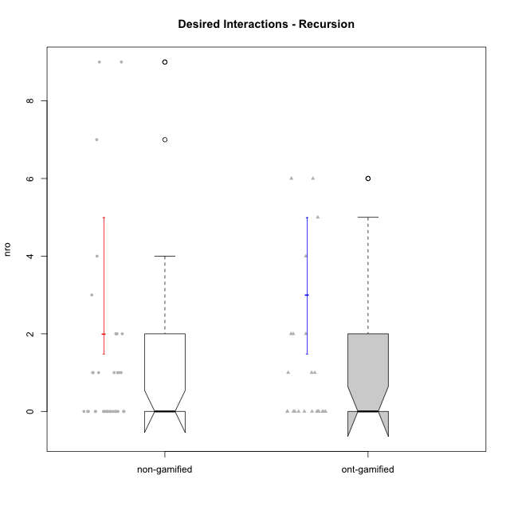

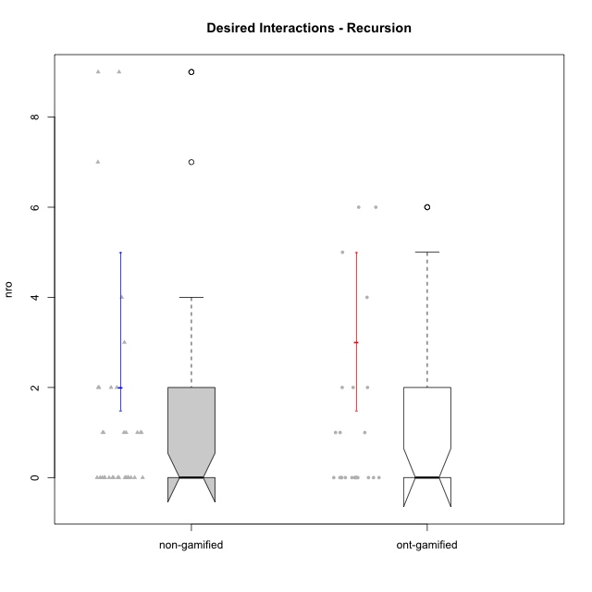

Wilcoxon data
UserID | NroUSP | Type | Group | CLRole | PlayerRole | ParticipationLevel | NroTotalInteractions | NroNecessaryInteractions | (1) Elaborar lista de exercícios | (2) Demonstrar a solução de um problema | (3) Enviar (ou reenviar) a solução do problema | (c) Aceitar a solução como boa | NroSolutionReviewed (Apprentice) | NroSolutionReviewed (Master) | NroSolutionWithoutReviewed (Apprentice) | NroSolutionWithoutReviewed (Master) | NroSolutionGoodReview | NroDesiredInteractions | (a) Expressar dúvidas em relação à demonstração | (b) Esclarecer as dúvidas | (d) Notificar os erros existentes na solução | (e) Apresentar dicas ou otra forma de ajuda | (f) Expressar dificuldade em resolver o problema | (g) Explicar como resolver o problema
10238 | 10276953 | ont-gamified | Grupo Belos | Apprentice | Yee Socializer | semicomplete | 1 | 1 | 0 | 0 | 1 | 0 | 1 | 0 | 0 | 0 | 1 | 0 | 0 | 0 | 0 | 0 | 0 | 0
10217 | 9805341 | ont-gamified | Grupo Belos | Master | Yee Socializer | complete | 11 | 6 | 1 | 1 | 0 | 4 | 0 | 5 | 0 | 0 | 0 | 5 | 0 | 0 | 0 | 5 | 0 | 0
10183 | 10352030 | non-gamified | Grupo Belos | Apprentice | Yee Socializer | complete | 4 | 4 | 0 | 0 | 4 | 0 | 4 | 0 | 0 | 0 | 3 | 0 | 0 | 0 | 0 | 0 | 0 | 0
10237 | 10377688 | ont-gamified | Grupo Ellaru | Apprentice | Yee Socializer | partial | 1 | 1 | 0 | 0 | 1 | 0 | 1 | 0 | 0 | 0 | 0 | 0 | 0 | 0 | 0 | 0 | 0 | 0
10212 | 9065750 | ont-gamified | Grupo Ellaru | Apprentice | Yee Socializer | none | 0 | 0 | 0 | 0 | 0 | 0 | 0 | 0 | 0 | 0 | 0 | 0 | 0 | 0 | 0 | 0 | 0 | 0
10216 | 10276720 | ont-gamified | Grupo Ellaru | Master | Yee Socializer | complete | 6 | 2 | 1 | 1 | 0 | 0 | 0 | 1 | 0 | 0 | 0 | 4 | 0 | 0 | 2 | 2 | 0 | 0
10230 | 10351992 | ont-gamified | Grupo Koil | Apprentice | Yee Achiever | partial | 7 | 5 | 0 | 0 | 5 | 0 | 2 | 0 | 3 | 0 | 0 | 2 | 2 | 0 | 0 | 0 | 0 | 0
10214 | 10277022 | ont-gamified | Grupo Koil | Apprentice | Yee Achiever | complete | 3 | 3 | 0 | 0 | 3 | 0 | 3 | 0 | 0 | 0 | 3 | 0 | 0 | 0 | 0 | 0 | 0 | 0
10172 | 10273971 | ont-gamified | Grupo Koil | Master | Yee Achiever | semicomplete | 7 | 5 | 1 | 1 | 0 | 3 | 0 | 5 | 0 | 3 | 0 | 2 | 0 | 0 | 2 | 0 | 0 | 0
10228 | 10310492 | ont-gamified | Grupo Losvakai | Apprentice | Yee Achiever | partial | 1 | 1 | 0 | 0 | 1 | 0 | 0 | 0 | 1 | 0 | 0 | 0 | 0 | 0 | 0 | 0 | 0 | 0
10210 | 10277015 | ont-gamified | Grupo Losvakai | Apprentice | Yee Achiever | complete | 6 | 6 | 0 | 0 | 6 | 0 | 6 | 0 | 0 | 0 | 5 | 0 | 0 | 0 | 0 | 0 | 0 | 0
10171 | 698531 | ont-gamified | Grupo Losvakai | Master | Yee Achiever | semicomplete | 13 | 7 | 1 | 1 | 0 | 5 | 0 | 6 | 0 | 1 | 0 | 6 | 0 | 0 | 2 | 4 | 0 | 0
10202 | 10277036 | ont-gamified | Grupo Paldira | Apprentice | Yee Achiever | complete | 6 | 6 | 0 | 0 | 6 | 0 | 3 | 0 | 3 | 0 | 2 | 0 | 0 | 0 | 0 | 0 | 0 | 0
10203 | 9921470 | ont-gamified | Grupo Paldira | Apprentice | Yee Achiever | partial | 3 | 2 | 0 | 0 | 2 | 0 | 2 | 0 | 0 | 0 | 0 | 1 | 0 | 0 | 0 | 0 | 1 | 0
10188 | 10276995 | ont-gamified | Grupo Paldira | Master | Yee Achiever | semicomplete | 10 | 4 | 1 | 1 | 0 | 2 | 0 | 5 | 0 | 3 | 0 | 6 | 0 | 0 | 3 | 3 | 0 | 0
10187 | 9790781 | ont-gamified | Grupo Razorg | Apprentice | Yee Achiever | complete | 3 | 3 | 0 | 0 | 3 | 0 | 3 | 0 | 0 | 0 | 3 | 0 | 0 | 0 | 0 | 0 | 0 | 0
10211 | 9311643 | ont-gamified | Grupo Razorg | Master | Yee Achiever | complete | 6 | 5 | 1 | 1 | 0 | 3 | 0 | 4 | 0 | 0 | 0 | 1 | 0 | 0 | 1 | 0 | 0 | 0
10219 | 10276831 | ont-gamified | Grupo Razorg | Apprentice | Yee Achiever | partial | 1 | 1 | 0 | 0 | 1 | 0 | 1 | 0 | 0 | 0 | 0 | 0 | 0 | 0 | 0 | 0 | 0 | 0
10209 | 10262669 | non-gamified | Grupo Team 1 | Master |  | semicomplete | 7 | 5 | 1 | 1 | 0 | 3 | 0 | 4 | 0 | 1 | 0 | 2 | 0 | 1 | 0 | 1 | 0 | 0
10174 | 10276852 | non-gamified | Grupo Team 1 | Apprentice |  | semicomplete | 1 | 1 | 0 | 0 | 1 | 0 | 1 | 0 | 0 | 0 | 1 | 0 | 0 | 0 | 0 | 0 | 0 | 0
10198 | 10310888 | non-gamified | Grupo Team 1 | Apprentice |  | complete | 5 | 4 | 0 | 0 | 4 | 0 | 3 | 0 | 1 | 0 | 2 | 1 | 1 | 0 | 0 | 0 | 0 | 0
10218 | 9842913 | non-gamified | Grupo Team 10 | Apprentice |  | partial | 2 | 2 | 0 | 0 | 2 | 0 | 2 | 0 | 0 | 0 | 0 | 0 | 0 | 0 | 0 | 0 | 0 | 0
10169 | 10377538 | non-gamified | Grupo Team 10 | Apprentice |  | none | 0 | 0 | 0 | 0 | 0 | 0 | 0 | 0 | 0 | 0 | 0 | 0 | 0 | 0 | 0 | 0 | 0 | 0
10201 | 10276928 | non-gamified | Grupo Team 10 | Master |  | complete | 6 | 4 | 2 | 2 | 0 | 0 | 0 | 2 | 0 | 0 | 0 | 2 | 0 | 0 | 1 | 1 | 0 | 0
10197 | 10276661 | non-gamified | Grupo Team 11 | Master |  | complete | 5 | 2 | 1 | 1 | 0 | 0 | 0 | 3 | 0 | 0 | 0 | 3 | 0 | 0 | 2 | 1 | 0 | 0
10178 | 8656201 | non-gamified | Grupo Team 11 | Apprentice |  | partial | 3 | 3 | 0 | 0 | 3 | 0 | 3 | 0 | 0 | 0 | 0 | 0 | 0 | 0 | 0 | 0 | 0 | 0
10242 | 9424506 | non-gamified | Grupo Team 11 | Apprentice |  | none | 0 | 0 | 0 | 0 | 0 | 0 | 0 | 0 | 0 | 0 | 0 | 0 | 0 | 0 | 0 | 0 | 0 | 0
10193 | 10276762 | non-gamified | Grupo Team 2 | Master |  | complete | 4 | 2 | 1 | 1 | 0 | 0 | 0 | 1 | 0 | 0 | 0 | 2 | 0 | 1 | 0 | 1 | 0 | 0
10189 | 9363926 | non-gamified | Grupo Team 2 | Apprentice |  | partial | 2 | 1 | 0 | 0 | 1 | 0 | 1 | 0 | 0 | 0 | 0 | 1 | 1 | 0 | 0 | 0 | 0 | 0
10227 | 9274382 | non-gamified | Grupo Team 2 | Apprentice |  | none | 0 | 0 | 0 | 0 | 0 | 0 | 0 | 0 | 0 | 0 | 0 | 0 | 0 | 0 | 0 | 0 | 0 | 0
10232 | 10276974 | non-gamified | Grupo Team 3 | Apprentice |  | complete | 3 | 3 | 0 | 0 | 3 | 0 | 3 | 0 | 0 | 0 | 3 | 0 | 0 | 0 | 0 | 0 | 0 | 0
10221 | 9082496 | non-gamified | Grupo Team 3 | Apprentice |  | none | 0 | 0 | 0 | 0 | 0 | 0 | 0 | 0 | 0 | 0 | 0 | 0 | 0 | 0 | 0 | 0 | 0 | 0
10223 | 9795185 | non-gamified | Grupo Team 3 | Master |  | complete | 5 | 5 | 1 | 1 | 0 | 3 | 0 | 3 | 0 | 0 | 0 | 0 | 0 | 0 | 0 | 0 | 0 | 0
10231 | 10276911 | non-gamified | Grupo Team 4 | Master |  | complete | 14 | 5 | 2 | 2 | 0 | 1 | 0 | 6 | 0 | 0 | 0 | 9 | 0 | 1 | 5 | 3 | 0 | 0
10200 | 9795272 | non-gamified | Grupo Team 4 | Apprentice |  | semicomplete | 4 | 3 | 0 | 0 | 3 | 0 | 3 | 0 | 0 | 0 | 1 | 1 | 1 | 0 | 0 | 0 | 0 | 0
10220 | 9760151 | non-gamified | Grupo Team 4 | Apprentice |  | partial | 3 | 3 | 0 | 0 | 3 | 0 | 3 | 0 | 0 | 0 | 0 | 0 | 0 | 0 | 0 | 0 | 0 | 0
10204 | 10310471 | non-gamified | Grupo Team 5 | Master |  | semicomplete | 9 | 5 | 1 | 1 | 0 | 3 | 0 | 4 | 0 | 2 | 0 | 4 | 0 | 2 | 1 | 1 | 0 | 0
10196 | 10310655 | non-gamified | Grupo Team 5 | Apprentice |  | complete | 5 | 4 | 0 | 0 | 4 | 0 | 2 | 0 | 2 | 0 | 2 | 1 | 1 | 0 | 0 | 0 | 0 | 0
10186 | 10310551 | non-gamified | Grupo Team 5 | Apprentice |  | semicomplete | 3 | 2 | 0 | 0 | 2 | 0 | 2 | 0 | 0 | 0 | 1 | 1 | 1 | 0 | 0 | 0 | 0 | 0
10170 | 10260351 | non-gamified | Grupo Team 6 | Apprentice |  | complete | 6 | 6 | 0 | 0 | 6 | 0 | 6 | 0 | 0 | 0 | 3 | 0 | 0 | 0 | 0 | 0 | 0 | 0
10175 | 10310700 | non-gamified | Grupo Team 6 | Master |  | complete | 12 | 5 | 1 | 1 | 0 | 3 | 0 | 7 | 0 | 0 | 0 | 7 | 0 | 0 | 4 | 3 | 0 | 0
10234 | 10310676 | non-gamified | Grupo Team 6 | Apprentice |  | partial | 1 | 1 | 0 | 0 | 1 | 0 | 1 | 0 | 0 | 0 | 0 | 0 | 0 | 0 | 0 | 0 | 0 | 0
10215 | 9285227 | non-gamified | Grupo Team 7 | Apprentice |  | complete | 4 | 4 | 0 | 0 | 4 | 0 | 4 | 0 | 0 | 0 | 3 | 0 | 0 | 0 | 0 | 0 | 0 | 0
10184 | 10276675 | non-gamified | Grupo Team 7 | Master |  | complete | 16 | 7 | 1 | 1 | 0 | 5 | 0 | 7 | 0 | 0 | 0 | 9 | 0 | 0 | 3 | 5 | 0 | 1
10181 | 10276866 | non-gamified | Grupo Team 7 | Apprentice |  | complete | 4 | 3 | 0 | 0 | 3 | 0 | 3 | 0 | 0 | 0 | 2 | 1 | 0 | 0 | 0 | 0 | 1 | 0
10240 | 10276654 | non-gamified | Grupo Team 8 | Apprentice |  | semicomplete | 1 | 1 | 0 | 0 | 1 | 0 | 1 | 0 | 0 | 0 | 1 | 0 | 0 | 0 | 0 | 0 | 0 | 0
10213 | 10277040 | non-gamified | Grupo Team 8 | Master |  | complete | 6 | 6 | 1 | 1 | 0 | 4 | 0 | 4 | 0 | 0 | 0 | 0 | 0 | 0 | 0 | 0 | 0 | 0
10190 | 10276907 | non-gamified | Grupo Team 8 | Apprentice |  | complete | 3 | 3 | 0 | 0 | 3 | 0 | 3 | 0 | 0 | 0 | 3 | 0 | 0 | 0 | 0 | 0 | 0 | 0
10206 | 10310721 | non-gamified | Grupo Team 9 | Master |  | complete | 10 | 8 | 1 | 1 | 0 | 6 | 0 | 6 | 0 | 0 | 0 | 2 | 0 | 1 | 1 | 0 | 0 | 0
10176 | 10276949 | non-gamified | Grupo Team 9 | Apprentice |  | complete | 4 | 4 | 0 | 0 | 4 | 0 | 4 | 0 | 0 | 0 | 4 | 0 | 0 | 0 | 0 | 0 | 0 | 0
10224 | 9368772 | non-gamified | Grupo Team 9 | Apprentice |  | complete | 3 | 2 | 0 | 0 | 2 | 0 | 2 | 0 | 0 | 0 | 2 | 1 | 1 | 0 | 0 | 0 | 0 | 0
10233 | 9805320 | ont-gamified | Grupo Tosskor | Apprentice | Yee Achiever | partial | 1 | 1 | 0 | 0 | 1 | 0 | 0 | 0 | 1 | 0 | 0 | 0 | 0 | 0 | 0 | 0 | 0 | 0
10185 | 10276960 | ont-gamified | Grupo Tosskor | Master | Yee Achiever | semicomplete | 4 | 3 | 1 | 1 | 0 | 1 | 0 | 2 | 0 | 4 | 0 | 1 | 0 | 0 | 0 | 1 | 0 | 0
10179 | 10310759 | ont-gamified | Grupo Tosskor | Apprentice | Yee Achiever | semicomplete | 5 | 5 | 0 | 0 | 5 | 0 | 2 | 0 | 3 | 0 | 1 | 0 | 0 | 0 | 0 | 0 | 0 | 0
10208 | 10276932 | ont-gamified | Grupo Yeka | Master | Yee Socializer | complete | 13 | 11 | 1 | 1 | 0 | 9 | 0 | 6 | 0 | 0 | 0 | 2 | 0 | 0 | 2 | 0 | 0 | 0
10191 | 10276981 | ont-gamified | Grupo Yeka | Apprentice | Yee Socializer | semicomplete | 1 | 1 | 0 | 0 | 1 | 0 | 1 | 0 | 0 | 0 | 1 | 0 | 0 | 0 | 0 | 0 | 0 | 0
10226 | 10310342 | ont-gamified | Grupo Yeka | Apprentice | Yee Socializer | semicomplete | 1 | 1 | 0 | 0 | 1 | 0 | 1 | 0 | 0 | 0 | 1 | 0 | 0 | 0 | 0 | 0 | 0 | 0
10192 | 10276682 | ont-gamified | Grupo Yeka | Apprentice | Yee Socializer | complete | 4 | 4 | 0 | 0 | 4 | 0 | 4 | 0 | 0 | 0 | 3 | 0 | 0 | 0 | 0 | 0 | 0 | 0

Type_CLRole_1
Wilcoxon Analysis for Desired Interactions - Recursion in Type:CLRole between non-gamified.Apprentice:non-gamified.Master

Wilcoxon test results
Alternative hypothesis: less
Group | N | Median | Mean.Ranks | Sum.Ranks | U | Z | p.value | r | magnitude
non-gamified.Apprentice | 23 | 0 | 13.304347826 | 306 | 30 | -3.8720601293 | 3.5743027139E-05 | 0.66405283377 | large
non-gamified.Master | 11 | 2 | 26.272727273 | 289 | 30 | -3.8720601293 | 3.5743027139E-05 | 0.66405283377 | large
Alternative hypothesis: greater
Group | N | Median | Mean.Ranks | Sum.Ranks | U | Z | p.value | r | magnitude
non-gamified.Apprentice | 23 | 0 | 13.304347826 | 306 | 30 | -3.8720601293 | 0.99996537897 | 0.66405283377 | large
non-gamified.Master | 11 | 2 | 26.272727273 | 289 | 30 | -3.8720601293 | 0.99996537897 | 0.66405283377 | large
Alternative hypothesis: two.sided
Group | N | Median | Mean.Ranks | Sum.Ranks | U | Z | p.value | r | magnitude
non-gamified.Apprentice | 23 | 0 | 13.304347826 | 306 | 30 | -3.8720601293 | 3.5743027139E-05 | 0.66405283377 | large
non-gamified.Master | 11 | 2 | 26.272727273 | 289 | 30 | -3.8720601293 | 3.5743027139E-05 | 0.66405283377 | large

Box plots for wilcoxon tests
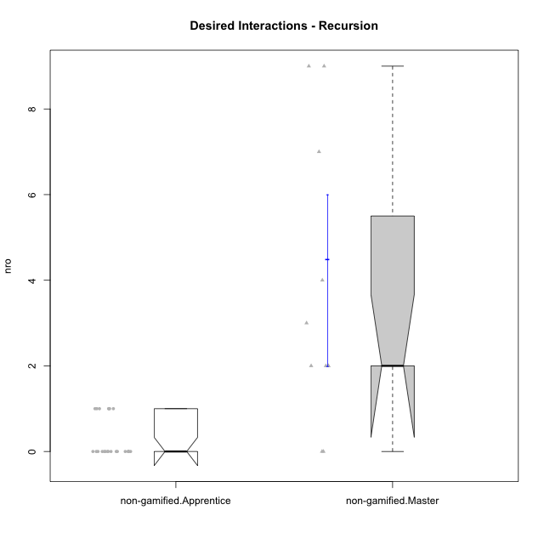

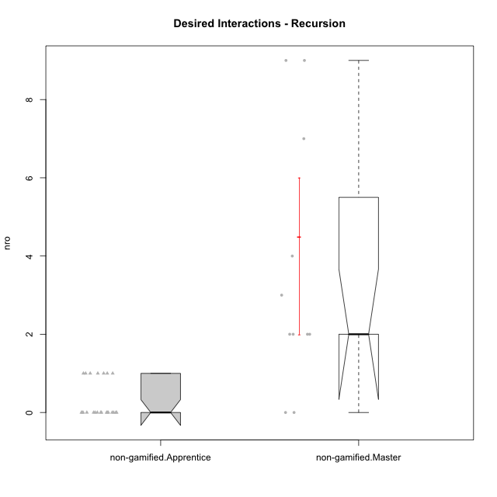

Wilcoxon data
UserID | NroUSP | Type | Group | CLRole | PlayerRole | ParticipationLevel | NroTotalInteractions | NroNecessaryInteractions | (1) Elaborar lista de exercícios | (2) Demonstrar a solução de um problema | (3) Enviar (ou reenviar) a solução do problema | (c) Aceitar a solução como boa | NroSolutionReviewed (Apprentice) | NroSolutionReviewed (Master) | NroSolutionWithoutReviewed (Apprentice) | NroSolutionWithoutReviewed (Master) | NroSolutionGoodReview | NroDesiredInteractions | (a) Expressar dúvidas em relação à demonstração | (b) Esclarecer as dúvidas | (d) Notificar os erros existentes na solução | (e) Apresentar dicas ou otra forma de ajuda | (f) Expressar dificuldade em resolver o problema | (g) Explicar como resolver o problema
10183 | 10352030 | non-gamified | Grupo Belos | Apprentice | Yee Socializer | complete | 4 | 4 | 0 | 0 | 4 | 0 | 4 | 0 | 0 | 0 | 3 | 0 | 0 | 0 | 0 | 0 | 0 | 0
10209 | 10262669 | non-gamified | Grupo Team 1 | Master |  | semicomplete | 7 | 5 | 1 | 1 | 0 | 3 | 0 | 4 | 0 | 1 | 0 | 2 | 0 | 1 | 0 | 1 | 0 | 0
10174 | 10276852 | non-gamified | Grupo Team 1 | Apprentice |  | semicomplete | 1 | 1 | 0 | 0 | 1 | 0 | 1 | 0 | 0 | 0 | 1 | 0 | 0 | 0 | 0 | 0 | 0 | 0
10198 | 10310888 | non-gamified | Grupo Team 1 | Apprentice |  | complete | 5 | 4 | 0 | 0 | 4 | 0 | 3 | 0 | 1 | 0 | 2 | 1 | 1 | 0 | 0 | 0 | 0 | 0
10218 | 9842913 | non-gamified | Grupo Team 10 | Apprentice |  | partial | 2 | 2 | 0 | 0 | 2 | 0 | 2 | 0 | 0 | 0 | 0 | 0 | 0 | 0 | 0 | 0 | 0 | 0
10169 | 10377538 | non-gamified | Grupo Team 10 | Apprentice |  | none | 0 | 0 | 0 | 0 | 0 | 0 | 0 | 0 | 0 | 0 | 0 | 0 | 0 | 0 | 0 | 0 | 0 | 0
10201 | 10276928 | non-gamified | Grupo Team 10 | Master |  | complete | 6 | 4 | 2 | 2 | 0 | 0 | 0 | 2 | 0 | 0 | 0 | 2 | 0 | 0 | 1 | 1 | 0 | 0
10197 | 10276661 | non-gamified | Grupo Team 11 | Master |  | complete | 5 | 2 | 1 | 1 | 0 | 0 | 0 | 3 | 0 | 0 | 0 | 3 | 0 | 0 | 2 | 1 | 0 | 0
10178 | 8656201 | non-gamified | Grupo Team 11 | Apprentice |  | partial | 3 | 3 | 0 | 0 | 3 | 0 | 3 | 0 | 0 | 0 | 0 | 0 | 0 | 0 | 0 | 0 | 0 | 0
10242 | 9424506 | non-gamified | Grupo Team 11 | Apprentice |  | none | 0 | 0 | 0 | 0 | 0 | 0 | 0 | 0 | 0 | 0 | 0 | 0 | 0 | 0 | 0 | 0 | 0 | 0
10193 | 10276762 | non-gamified | Grupo Team 2 | Master |  | complete | 4 | 2 | 1 | 1 | 0 | 0 | 0 | 1 | 0 | 0 | 0 | 2 | 0 | 1 | 0 | 1 | 0 | 0
10189 | 9363926 | non-gamified | Grupo Team 2 | Apprentice |  | partial | 2 | 1 | 0 | 0 | 1 | 0 | 1 | 0 | 0 | 0 | 0 | 1 | 1 | 0 | 0 | 0 | 0 | 0
10227 | 9274382 | non-gamified | Grupo Team 2 | Apprentice |  | none | 0 | 0 | 0 | 0 | 0 | 0 | 0 | 0 | 0 | 0 | 0 | 0 | 0 | 0 | 0 | 0 | 0 | 0
10232 | 10276974 | non-gamified | Grupo Team 3 | Apprentice |  | complete | 3 | 3 | 0 | 0 | 3 | 0 | 3 | 0 | 0 | 0 | 3 | 0 | 0 | 0 | 0 | 0 | 0 | 0
10221 | 9082496 | non-gamified | Grupo Team 3 | Apprentice |  | none | 0 | 0 | 0 | 0 | 0 | 0 | 0 | 0 | 0 | 0 | 0 | 0 | 0 | 0 | 0 | 0 | 0 | 0
10223 | 9795185 | non-gamified | Grupo Team 3 | Master |  | complete | 5 | 5 | 1 | 1 | 0 | 3 | 0 | 3 | 0 | 0 | 0 | 0 | 0 | 0 | 0 | 0 | 0 | 0
10231 | 10276911 | non-gamified | Grupo Team 4 | Master |  | complete | 14 | 5 | 2 | 2 | 0 | 1 | 0 | 6 | 0 | 0 | 0 | 9 | 0 | 1 | 5 | 3 | 0 | 0
10200 | 9795272 | non-gamified | Grupo Team 4 | Apprentice |  | semicomplete | 4 | 3 | 0 | 0 | 3 | 0 | 3 | 0 | 0 | 0 | 1 | 1 | 1 | 0 | 0 | 0 | 0 | 0
10220 | 9760151 | non-gamified | Grupo Team 4 | Apprentice |  | partial | 3 | 3 | 0 | 0 | 3 | 0 | 3 | 0 | 0 | 0 | 0 | 0 | 0 | 0 | 0 | 0 | 0 | 0
10204 | 10310471 | non-gamified | Grupo Team 5 | Master |  | semicomplete | 9 | 5 | 1 | 1 | 0 | 3 | 0 | 4 | 0 | 2 | 0 | 4 | 0 | 2 | 1 | 1 | 0 | 0
10196 | 10310655 | non-gamified | Grupo Team 5 | Apprentice |  | complete | 5 | 4 | 0 | 0 | 4 | 0 | 2 | 0 | 2 | 0 | 2 | 1 | 1 | 0 | 0 | 0 | 0 | 0
10186 | 10310551 | non-gamified | Grupo Team 5 | Apprentice |  | semicomplete | 3 | 2 | 0 | 0 | 2 | 0 | 2 | 0 | 0 | 0 | 1 | 1 | 1 | 0 | 0 | 0 | 0 | 0
10170 | 10260351 | non-gamified | Grupo Team 6 | Apprentice |  | complete | 6 | 6 | 0 | 0 | 6 | 0 | 6 | 0 | 0 | 0 | 3 | 0 | 0 | 0 | 0 | 0 | 0 | 0
10175 | 10310700 | non-gamified | Grupo Team 6 | Master |  | complete | 12 | 5 | 1 | 1 | 0 | 3 | 0 | 7 | 0 | 0 | 0 | 7 | 0 | 0 | 4 | 3 | 0 | 0
10234 | 10310676 | non-gamified | Grupo Team 6 | Apprentice |  | partial | 1 | 1 | 0 | 0 | 1 | 0 | 1 | 0 | 0 | 0 | 0 | 0 | 0 | 0 | 0 | 0 | 0 | 0
10215 | 9285227 | non-gamified | Grupo Team 7 | Apprentice |  | complete | 4 | 4 | 0 | 0 | 4 | 0 | 4 | 0 | 0 | 0 | 3 | 0 | 0 | 0 | 0 | 0 | 0 | 0
10184 | 10276675 | non-gamified | Grupo Team 7 | Master |  | complete | 16 | 7 | 1 | 1 | 0 | 5 | 0 | 7 | 0 | 0 | 0 | 9 | 0 | 0 | 3 | 5 | 0 | 1
10181 | 10276866 | non-gamified | Grupo Team 7 | Apprentice |  | complete | 4 | 3 | 0 | 0 | 3 | 0 | 3 | 0 | 0 | 0 | 2 | 1 | 0 | 0 | 0 | 0 | 1 | 0
10240 | 10276654 | non-gamified | Grupo Team 8 | Apprentice |  | semicomplete | 1 | 1 | 0 | 0 | 1 | 0 | 1 | 0 | 0 | 0 | 1 | 0 | 0 | 0 | 0 | 0 | 0 | 0
10213 | 10277040 | non-gamified | Grupo Team 8 | Master |  | complete | 6 | 6 | 1 | 1 | 0 | 4 | 0 | 4 | 0 | 0 | 0 | 0 | 0 | 0 | 0 | 0 | 0 | 0
10190 | 10276907 | non-gamified | Grupo Team 8 | Apprentice |  | complete | 3 | 3 | 0 | 0 | 3 | 0 | 3 | 0 | 0 | 0 | 3 | 0 | 0 | 0 | 0 | 0 | 0 | 0
10206 | 10310721 | non-gamified | Grupo Team 9 | Master |  | complete | 10 | 8 | 1 | 1 | 0 | 6 | 0 | 6 | 0 | 0 | 0 | 2 | 0 | 1 | 1 | 0 | 0 | 0
10176 | 10276949 | non-gamified | Grupo Team 9 | Apprentice |  | complete | 4 | 4 | 0 | 0 | 4 | 0 | 4 | 0 | 0 | 0 | 4 | 0 | 0 | 0 | 0 | 0 | 0 | 0
10224 | 9368772 | non-gamified | Grupo Team 9 | Apprentice |  | complete | 3 | 2 | 0 | 0 | 2 | 0 | 2 | 0 | 0 | 0 | 2 | 1 | 1 | 0 | 0 | 0 | 0 | 0

Type_CLRole_2
Wilcoxon Analysis for Desired Interactions - Recursion in Type:CLRole between non-gamified.Apprentice:ont-gamified.Apprentice

Wilcoxon test results
Alternative hypothesis: less
Group | N | Median | Mean.Ranks | Sum.Ranks | U | Z | p.value | r | magnitude
non-gamified.Apprentice | 23 | 0 | 21.282608696 | 489.5 | 213.5 | 1.1498953141 | 0.8511501576 | 0.18413061371 | small
ont-gamified.Apprentice | 16 | 0 | 18.15625 | 290.5 | 213.5 | 1.1498953141 | 0.8511501576 | 0.18413061371 | small
Alternative hypothesis: greater
Group | N | Median | Mean.Ranks | Sum.Ranks | U | Z | p.value | r | magnitude
non-gamified.Apprentice | 23 | 0 | 21.282608696 | 489.5 | 213.5 | 1.1498953141 | 0.17969955067 | 0.18413061371 | small
ont-gamified.Apprentice | 16 | 0 | 18.15625 | 290.5 | 213.5 | 1.1498953141 | 0.17969955067 | 0.18413061371 | small
Alternative hypothesis: two.sided
Group | N | Median | Mean.Ranks | Sum.Ranks | U | Z | p.value | r | magnitude
non-gamified.Apprentice | 23 | 0 | 21.282608696 | 489.5 | 213.5 | 1.1498953141 | 0.26173209755 | 0.18413061371 | small
ont-gamified.Apprentice | 16 | 0 | 18.15625 | 290.5 | 213.5 | 1.1498953141 | 0.26173209755 | 0.18413061371 | small

Box plots for wilcoxon tests
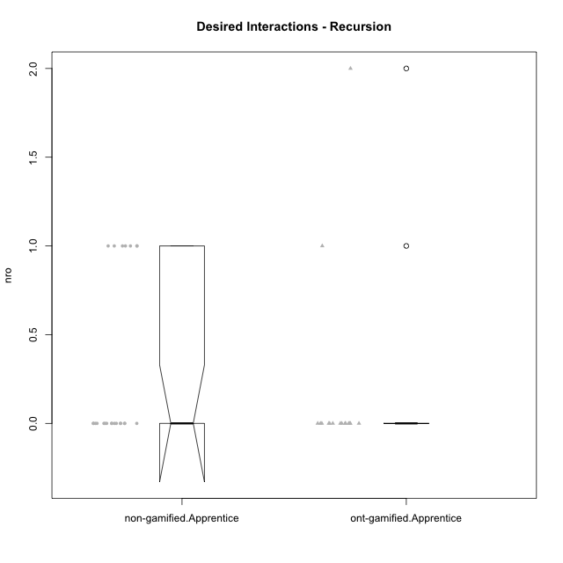

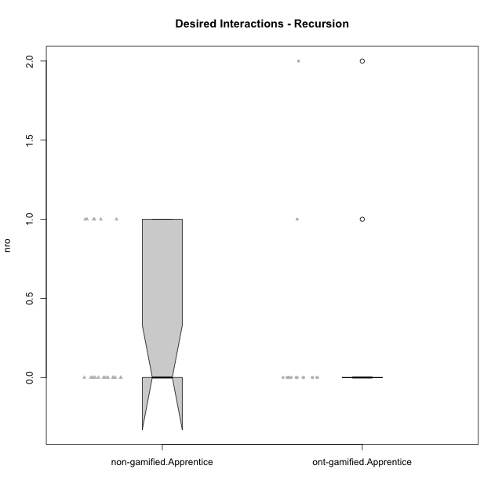

Wilcoxon data
UserID | NroUSP | Type | Group | CLRole | PlayerRole | ParticipationLevel | NroTotalInteractions | NroNecessaryInteractions | (1) Elaborar lista de exercícios | (2) Demonstrar a solução de um problema | (3) Enviar (ou reenviar) a solução do problema | (c) Aceitar a solução como boa | NroSolutionReviewed (Apprentice) | NroSolutionReviewed (Master) | NroSolutionWithoutReviewed (Apprentice) | NroSolutionWithoutReviewed (Master) | NroSolutionGoodReview | NroDesiredInteractions | (a) Expressar dúvidas em relação à demonstração | (b) Esclarecer as dúvidas | (d) Notificar os erros existentes na solução | (e) Apresentar dicas ou otra forma de ajuda | (f) Expressar dificuldade em resolver o problema | (g) Explicar como resolver o problema
10238 | 10276953 | ont-gamified | Grupo Belos | Apprentice | Yee Socializer | semicomplete | 1 | 1 | 0 | 0 | 1 | 0 | 1 | 0 | 0 | 0 | 1 | 0 | 0 | 0 | 0 | 0 | 0 | 0
10183 | 10352030 | non-gamified | Grupo Belos | Apprentice | Yee Socializer | complete | 4 | 4 | 0 | 0 | 4 | 0 | 4 | 0 | 0 | 0 | 3 | 0 | 0 | 0 | 0 | 0 | 0 | 0
10237 | 10377688 | ont-gamified | Grupo Ellaru | Apprentice | Yee Socializer | partial | 1 | 1 | 0 | 0 | 1 | 0 | 1 | 0 | 0 | 0 | 0 | 0 | 0 | 0 | 0 | 0 | 0 | 0
10212 | 9065750 | ont-gamified | Grupo Ellaru | Apprentice | Yee Socializer | none | 0 | 0 | 0 | 0 | 0 | 0 | 0 | 0 | 0 | 0 | 0 | 0 | 0 | 0 | 0 | 0 | 0 | 0
10230 | 10351992 | ont-gamified | Grupo Koil | Apprentice | Yee Achiever | partial | 7 | 5 | 0 | 0 | 5 | 0 | 2 | 0 | 3 | 0 | 0 | 2 | 2 | 0 | 0 | 0 | 0 | 0
10214 | 10277022 | ont-gamified | Grupo Koil | Apprentice | Yee Achiever | complete | 3 | 3 | 0 | 0 | 3 | 0 | 3 | 0 | 0 | 0 | 3 | 0 | 0 | 0 | 0 | 0 | 0 | 0
10228 | 10310492 | ont-gamified | Grupo Losvakai | Apprentice | Yee Achiever | partial | 1 | 1 | 0 | 0 | 1 | 0 | 0 | 0 | 1 | 0 | 0 | 0 | 0 | 0 | 0 | 0 | 0 | 0
10210 | 10277015 | ont-gamified | Grupo Losvakai | Apprentice | Yee Achiever | complete | 6 | 6 | 0 | 0 | 6 | 0 | 6 | 0 | 0 | 0 | 5 | 0 | 0 | 0 | 0 | 0 | 0 | 0
10202 | 10277036 | ont-gamified | Grupo Paldira | Apprentice | Yee Achiever | complete | 6 | 6 | 0 | 0 | 6 | 0 | 3 | 0 | 3 | 0 | 2 | 0 | 0 | 0 | 0 | 0 | 0 | 0
10203 | 9921470 | ont-gamified | Grupo Paldira | Apprentice | Yee Achiever | partial | 3 | 2 | 0 | 0 | 2 | 0 | 2 | 0 | 0 | 0 | 0 | 1 | 0 | 0 | 0 | 0 | 1 | 0
10187 | 9790781 | ont-gamified | Grupo Razorg | Apprentice | Yee Achiever | complete | 3 | 3 | 0 | 0 | 3 | 0 | 3 | 0 | 0 | 0 | 3 | 0 | 0 | 0 | 0 | 0 | 0 | 0
10219 | 10276831 | ont-gamified | Grupo Razorg | Apprentice | Yee Achiever | partial | 1 | 1 | 0 | 0 | 1 | 0 | 1 | 0 | 0 | 0 | 0 | 0 | 0 | 0 | 0 | 0 | 0 | 0
10174 | 10276852 | non-gamified | Grupo Team 1 | Apprentice |  | semicomplete | 1 | 1 | 0 | 0 | 1 | 0 | 1 | 0 | 0 | 0 | 1 | 0 | 0 | 0 | 0 | 0 | 0 | 0
10198 | 10310888 | non-gamified | Grupo Team 1 | Apprentice |  | complete | 5 | 4 | 0 | 0 | 4 | 0 | 3 | 0 | 1 | 0 | 2 | 1 | 1 | 0 | 0 | 0 | 0 | 0
10218 | 9842913 | non-gamified | Grupo Team 10 | Apprentice |  | partial | 2 | 2 | 0 | 0 | 2 | 0 | 2 | 0 | 0 | 0 | 0 | 0 | 0 | 0 | 0 | 0 | 0 | 0
10169 | 10377538 | non-gamified | Grupo Team 10 | Apprentice |  | none | 0 | 0 | 0 | 0 | 0 | 0 | 0 | 0 | 0 | 0 | 0 | 0 | 0 | 0 | 0 | 0 | 0 | 0
10178 | 8656201 | non-gamified | Grupo Team 11 | Apprentice |  | partial | 3 | 3 | 0 | 0 | 3 | 0 | 3 | 0 | 0 | 0 | 0 | 0 | 0 | 0 | 0 | 0 | 0 | 0
10242 | 9424506 | non-gamified | Grupo Team 11 | Apprentice |  | none | 0 | 0 | 0 | 0 | 0 | 0 | 0 | 0 | 0 | 0 | 0 | 0 | 0 | 0 | 0 | 0 | 0 | 0
10189 | 9363926 | non-gamified | Grupo Team 2 | Apprentice |  | partial | 2 | 1 | 0 | 0 | 1 | 0 | 1 | 0 | 0 | 0 | 0 | 1 | 1 | 0 | 0 | 0 | 0 | 0
10227 | 9274382 | non-gamified | Grupo Team 2 | Apprentice |  | none | 0 | 0 | 0 | 0 | 0 | 0 | 0 | 0 | 0 | 0 | 0 | 0 | 0 | 0 | 0 | 0 | 0 | 0
10232 | 10276974 | non-gamified | Grupo Team 3 | Apprentice |  | complete | 3 | 3 | 0 | 0 | 3 | 0 | 3 | 0 | 0 | 0 | 3 | 0 | 0 | 0 | 0 | 0 | 0 | 0
10221 | 9082496 | non-gamified | Grupo Team 3 | Apprentice |  | none | 0 | 0 | 0 | 0 | 0 | 0 | 0 | 0 | 0 | 0 | 0 | 0 | 0 | 0 | 0 | 0 | 0 | 0
10200 | 9795272 | non-gamified | Grupo Team 4 | Apprentice |  | semicomplete | 4 | 3 | 0 | 0 | 3 | 0 | 3 | 0 | 0 | 0 | 1 | 1 | 1 | 0 | 0 | 0 | 0 | 0
10220 | 9760151 | non-gamified | Grupo Team 4 | Apprentice |  | partial | 3 | 3 | 0 | 0 | 3 | 0 | 3 | 0 | 0 | 0 | 0 | 0 | 0 | 0 | 0 | 0 | 0 | 0
10196 | 10310655 | non-gamified | Grupo Team 5 | Apprentice |  | complete | 5 | 4 | 0 | 0 | 4 | 0 | 2 | 0 | 2 | 0 | 2 | 1 | 1 | 0 | 0 | 0 | 0 | 0
10186 | 10310551 | non-gamified | Grupo Team 5 | Apprentice |  | semicomplete | 3 | 2 | 0 | 0 | 2 | 0 | 2 | 0 | 0 | 0 | 1 | 1 | 1 | 0 | 0 | 0 | 0 | 0
10170 | 10260351 | non-gamified | Grupo Team 6 | Apprentice |  | complete | 6 | 6 | 0 | 0 | 6 | 0 | 6 | 0 | 0 | 0 | 3 | 0 | 0 | 0 | 0 | 0 | 0 | 0
10234 | 10310676 | non-gamified | Grupo Team 6 | Apprentice |  | partial | 1 | 1 | 0 | 0 | 1 | 0 | 1 | 0 | 0 | 0 | 0 | 0 | 0 | 0 | 0 | 0 | 0 | 0
10215 | 9285227 | non-gamified | Grupo Team 7 | Apprentice |  | complete | 4 | 4 | 0 | 0 | 4 | 0 | 4 | 0 | 0 | 0 | 3 | 0 | 0 | 0 | 0 | 0 | 0 | 0
10181 | 10276866 | non-gamified | Grupo Team 7 | Apprentice |  | complete | 4 | 3 | 0 | 0 | 3 | 0 | 3 | 0 | 0 | 0 | 2 | 1 | 0 | 0 | 0 | 0 | 1 | 0
10240 | 10276654 | non-gamified | Grupo Team 8 | Apprentice |  | semicomplete | 1 | 1 | 0 | 0 | 1 | 0 | 1 | 0 | 0 | 0 | 1 | 0 | 0 | 0 | 0 | 0 | 0 | 0
10190 | 10276907 | non-gamified | Grupo Team 8 | Apprentice |  | complete | 3 | 3 | 0 | 0 | 3 | 0 | 3 | 0 | 0 | 0 | 3 | 0 | 0 | 0 | 0 | 0 | 0 | 0
10176 | 10276949 | non-gamified | Grupo Team 9 | Apprentice |  | complete | 4 | 4 | 0 | 0 | 4 | 0 | 4 | 0 | 0 | 0 | 4 | 0 | 0 | 0 | 0 | 0 | 0 | 0
10224 | 9368772 | non-gamified | Grupo Team 9 | Apprentice |  | complete | 3 | 2 | 0 | 0 | 2 | 0 | 2 | 0 | 0 | 0 | 2 | 1 | 1 | 0 | 0 | 0 | 0 | 0
10233 | 9805320 | ont-gamified | Grupo Tosskor | Apprentice | Yee Achiever | partial | 1 | 1 | 0 | 0 | 1 | 0 | 0 | 0 | 1 | 0 | 0 | 0 | 0 | 0 | 0 | 0 | 0 | 0
10179 | 10310759 | ont-gamified | Grupo Tosskor | Apprentice | Yee Achiever | semicomplete | 5 | 5 | 0 | 0 | 5 | 0 | 2 | 0 | 3 | 0 | 1 | 0 | 0 | 0 | 0 | 0 | 0 | 0
10191 | 10276981 | ont-gamified | Grupo Yeka | Apprentice | Yee Socializer | semicomplete | 1 | 1 | 0 | 0 | 1 | 0 | 1 | 0 | 0 | 0 | 1 | 0 | 0 | 0 | 0 | 0 | 0 | 0
10226 | 10310342 | ont-gamified | Grupo Yeka | Apprentice | Yee Socializer | semicomplete | 1 | 1 | 0 | 0 | 1 | 0 | 1 | 0 | 0 | 0 | 1 | 0 | 0 | 0 | 0 | 0 | 0 | 0
10192 | 10276682 | ont-gamified | Grupo Yeka | Apprentice | Yee Socializer | complete | 4 | 4 | 0 | 0 | 4 | 0 | 4 | 0 | 0 | 0 | 3 | 0 | 0 | 0 | 0 | 0 | 0 | 0

Type_CLRole_3
Wilcoxon Analysis for Desired Interactions - Recursion in Type:CLRole between non-gamified.Apprentice:ont-gamified.Master

Wilcoxon test results
Alternative hypothesis: less
Group | N | Median | Mean.Ranks | Sum.Ranks | U | Z | p.value | r | magnitude
non-gamified.Apprentice | 23 | 0 | 12.304347826 | 283 | 7 | -4.1910635272 | 4.5634750863E-06 | 0.75273723061 | large
ont-gamified.Master | 8 | 3 | 26.625 | 213 | 7 | -4.1910635272 | 4.5634750863E-06 | 0.75273723061 | large
Alternative hypothesis: greater
Group | N | Median | Mean.Ranks | Sum.Ranks | U | Z | p.value | r | magnitude
non-gamified.Apprentice | 23 | 0 | 12.304347826 | 283 | 7 | -4.1910635272 | 1 | 0.75273723061 | large
ont-gamified.Master | 8 | 3 | 26.625 | 213 | 7 | -4.1910635272 | 1 | 0.75273723061 | large
Alternative hypothesis: two.sided
Group | N | Median | Mean.Ranks | Sum.Ranks | U | Z | p.value | r | magnitude
non-gamified.Apprentice | 23 | 0 | 12.304347826 | 283 | 7 | -4.1910635272 | 4.5634750863E-06 | 0.75273723061 | large
ont-gamified.Master | 8 | 3 | 26.625 | 213 | 7 | -4.1910635272 | 4.5634750863E-06 | 0.75273723061 | large

Box plots for wilcoxon tests
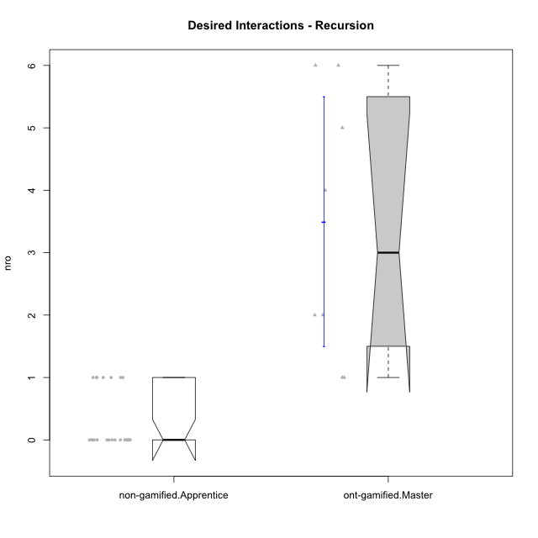

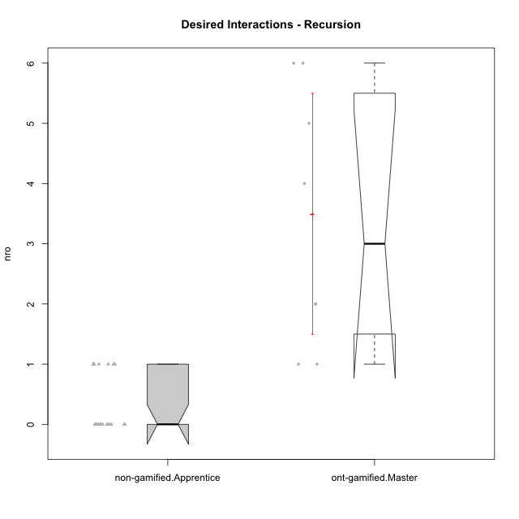

Wilcoxon data
UserID | NroUSP | Type | Group | CLRole | PlayerRole | ParticipationLevel | NroTotalInteractions | NroNecessaryInteractions | (1) Elaborar lista de exercícios | (2) Demonstrar a solução de um problema | (3) Enviar (ou reenviar) a solução do problema | (c) Aceitar a solução como boa | NroSolutionReviewed (Apprentice) | NroSolutionReviewed (Master) | NroSolutionWithoutReviewed (Apprentice) | NroSolutionWithoutReviewed (Master) | NroSolutionGoodReview | NroDesiredInteractions | (a) Expressar dúvidas em relação à demonstração | (b) Esclarecer as dúvidas | (d) Notificar os erros existentes na solução | (e) Apresentar dicas ou otra forma de ajuda | (f) Expressar dificuldade em resolver o problema | (g) Explicar como resolver o problema
10217 | 9805341 | ont-gamified | Grupo Belos | Master | Yee Socializer | complete | 11 | 6 | 1 | 1 | 0 | 4 | 0 | 5 | 0 | 0 | 0 | 5 | 0 | 0 | 0 | 5 | 0 | 0
10183 | 10352030 | non-gamified | Grupo Belos | Apprentice | Yee Socializer | complete | 4 | 4 | 0 | 0 | 4 | 0 | 4 | 0 | 0 | 0 | 3 | 0 | 0 | 0 | 0 | 0 | 0 | 0
10216 | 10276720 | ont-gamified | Grupo Ellaru | Master | Yee Socializer | complete | 6 | 2 | 1 | 1 | 0 | 0 | 0 | 1 | 0 | 0 | 0 | 4 | 0 | 0 | 2 | 2 | 0 | 0
10172 | 10273971 | ont-gamified | Grupo Koil | Master | Yee Achiever | semicomplete | 7 | 5 | 1 | 1 | 0 | 3 | 0 | 5 | 0 | 3 | 0 | 2 | 0 | 0 | 2 | 0 | 0 | 0
10171 | 698531 | ont-gamified | Grupo Losvakai | Master | Yee Achiever | semicomplete | 13 | 7 | 1 | 1 | 0 | 5 | 0 | 6 | 0 | 1 | 0 | 6 | 0 | 0 | 2 | 4 | 0 | 0
10188 | 10276995 | ont-gamified | Grupo Paldira | Master | Yee Achiever | semicomplete | 10 | 4 | 1 | 1 | 0 | 2 | 0 | 5 | 0 | 3 | 0 | 6 | 0 | 0 | 3 | 3 | 0 | 0
10211 | 9311643 | ont-gamified | Grupo Razorg | Master | Yee Achiever | complete | 6 | 5 | 1 | 1 | 0 | 3 | 0 | 4 | 0 | 0 | 0 | 1 | 0 | 0 | 1 | 0 | 0 | 0
10174 | 10276852 | non-gamified | Grupo Team 1 | Apprentice |  | semicomplete | 1 | 1 | 0 | 0 | 1 | 0 | 1 | 0 | 0 | 0 | 1 | 0 | 0 | 0 | 0 | 0 | 0 | 0
10198 | 10310888 | non-gamified | Grupo Team 1 | Apprentice |  | complete | 5 | 4 | 0 | 0 | 4 | 0 | 3 | 0 | 1 | 0 | 2 | 1 | 1 | 0 | 0 | 0 | 0 | 0
10218 | 9842913 | non-gamified | Grupo Team 10 | Apprentice |  | partial | 2 | 2 | 0 | 0 | 2 | 0 | 2 | 0 | 0 | 0 | 0 | 0 | 0 | 0 | 0 | 0 | 0 | 0
10169 | 10377538 | non-gamified | Grupo Team 10 | Apprentice |  | none | 0 | 0 | 0 | 0 | 0 | 0 | 0 | 0 | 0 | 0 | 0 | 0 | 0 | 0 | 0 | 0 | 0 | 0
10178 | 8656201 | non-gamified | Grupo Team 11 | Apprentice |  | partial | 3 | 3 | 0 | 0 | 3 | 0 | 3 | 0 | 0 | 0 | 0 | 0 | 0 | 0 | 0 | 0 | 0 | 0
10242 | 9424506 | non-gamified | Grupo Team 11 | Apprentice |  | none | 0 | 0 | 0 | 0 | 0 | 0 | 0 | 0 | 0 | 0 | 0 | 0 | 0 | 0 | 0 | 0 | 0 | 0
10189 | 9363926 | non-gamified | Grupo Team 2 | Apprentice |  | partial | 2 | 1 | 0 | 0 | 1 | 0 | 1 | 0 | 0 | 0 | 0 | 1 | 1 | 0 | 0 | 0 | 0 | 0
10227 | 9274382 | non-gamified | Grupo Team 2 | Apprentice |  | none | 0 | 0 | 0 | 0 | 0 | 0 | 0 | 0 | 0 | 0 | 0 | 0 | 0 | 0 | 0 | 0 | 0 | 0
10232 | 10276974 | non-gamified | Grupo Team 3 | Apprentice |  | complete | 3 | 3 | 0 | 0 | 3 | 0 | 3 | 0 | 0 | 0 | 3 | 0 | 0 | 0 | 0 | 0 | 0 | 0
10221 | 9082496 | non-gamified | Grupo Team 3 | Apprentice |  | none | 0 | 0 | 0 | 0 | 0 | 0 | 0 | 0 | 0 | 0 | 0 | 0 | 0 | 0 | 0 | 0 | 0 | 0
10200 | 9795272 | non-gamified | Grupo Team 4 | Apprentice |  | semicomplete | 4 | 3 | 0 | 0 | 3 | 0 | 3 | 0 | 0 | 0 | 1 | 1 | 1 | 0 | 0 | 0 | 0 | 0
10220 | 9760151 | non-gamified | Grupo Team 4 | Apprentice |  | partial | 3 | 3 | 0 | 0 | 3 | 0 | 3 | 0 | 0 | 0 | 0 | 0 | 0 | 0 | 0 | 0 | 0 | 0
10196 | 10310655 | non-gamified | Grupo Team 5 | Apprentice |  | complete | 5 | 4 | 0 | 0 | 4 | 0 | 2 | 0 | 2 | 0 | 2 | 1 | 1 | 0 | 0 | 0 | 0 | 0
10186 | 10310551 | non-gamified | Grupo Team 5 | Apprentice |  | semicomplete | 3 | 2 | 0 | 0 | 2 | 0 | 2 | 0 | 0 | 0 | 1 | 1 | 1 | 0 | 0 | 0 | 0 | 0
10170 | 10260351 | non-gamified | Grupo Team 6 | Apprentice |  | complete | 6 | 6 | 0 | 0 | 6 | 0 | 6 | 0 | 0 | 0 | 3 | 0 | 0 | 0 | 0 | 0 | 0 | 0
10234 | 10310676 | non-gamified | Grupo Team 6 | Apprentice |  | partial | 1 | 1 | 0 | 0 | 1 | 0 | 1 | 0 | 0 | 0 | 0 | 0 | 0 | 0 | 0 | 0 | 0 | 0
10215 | 9285227 | non-gamified | Grupo Team 7 | Apprentice |  | complete | 4 | 4 | 0 | 0 | 4 | 0 | 4 | 0 | 0 | 0 | 3 | 0 | 0 | 0 | 0 | 0 | 0 | 0
10181 | 10276866 | non-gamified | Grupo Team 7 | Apprentice |  | complete | 4 | 3 | 0 | 0 | 3 | 0 | 3 | 0 | 0 | 0 | 2 | 1 | 0 | 0 | 0 | 0 | 1 | 0
10240 | 10276654 | non-gamified | Grupo Team 8 | Apprentice |  | semicomplete | 1 | 1 | 0 | 0 | 1 | 0 | 1 | 0 | 0 | 0 | 1 | 0 | 0 | 0 | 0 | 0 | 0 | 0
10190 | 10276907 | non-gamified | Grupo Team 8 | Apprentice |  | complete | 3 | 3 | 0 | 0 | 3 | 0 | 3 | 0 | 0 | 0 | 3 | 0 | 0 | 0 | 0 | 0 | 0 | 0
10176 | 10276949 | non-gamified | Grupo Team 9 | Apprentice |  | complete | 4 | 4 | 0 | 0 | 4 | 0 | 4 | 0 | 0 | 0 | 4 | 0 | 0 | 0 | 0 | 0 | 0 | 0
10224 | 9368772 | non-gamified | Grupo Team 9 | Apprentice |  | complete | 3 | 2 | 0 | 0 | 2 | 0 | 2 | 0 | 0 | 0 | 2 | 1 | 1 | 0 | 0 | 0 | 0 | 0
10185 | 10276960 | ont-gamified | Grupo Tosskor | Master | Yee Achiever | semicomplete | 4 | 3 | 1 | 1 | 0 | 1 | 0 | 2 | 0 | 4 | 0 | 1 | 0 | 0 | 0 | 1 | 0 | 0
10208 | 10276932 | ont-gamified | Grupo Yeka | Master | Yee Socializer | complete | 13 | 11 | 1 | 1 | 0 | 9 | 0 | 6 | 0 | 0 | 0 | 2 | 0 | 0 | 2 | 0 | 0 | 0

Type_CLRole_4
Wilcoxon Analysis for Desired Interactions - Recursion in Type:CLRole between non-gamified.Master:ont-gamified.Apprentice

Wilcoxon test results
Alternative hypothesis: less
Group | N | Median | Mean.Ranks | Sum.Ranks | U | Z | p.value | r | magnitude
non-gamified.Master | 11 | 2 | 20.181818182 | 222 | 156 | 3.7848399225 | 0.99998642419 | 0.7283927827 | large
ont-gamified.Apprentice | 16 | 0 | 9.75 | 156 | 156 | 3.7848399225 | 0.99998642419 | 0.7283927827 | large
Alternative hypothesis: greater
Group | N | Median | Mean.Ranks | Sum.Ranks | U | Z | p.value | r | magnitude
non-gamified.Master | 11 | 2 | 20.181818182 | 222 | 156 | 3.7848399225 | 5.9595509858E-05 | 0.7283927827 | large
ont-gamified.Apprentice | 16 | 0 | 9.75 | 156 | 156 | 3.7848399225 | 5.9595509858E-05 | 0.7283927827 | large
Alternative hypothesis: two.sided
Group | N | Median | Mean.Ranks | Sum.Ranks | U | Z | p.value | r | magnitude
non-gamified.Master | 11 | 2 | 20.181818182 | 222 | 156 | 3.7848399225 | 5.9595509858E-05 | 0.7283927827 | large
ont-gamified.Apprentice | 16 | 0 | 9.75 | 156 | 156 | 3.7848399225 | 5.9595509858E-05 | 0.7283927827 | large

Box plots for wilcoxon tests
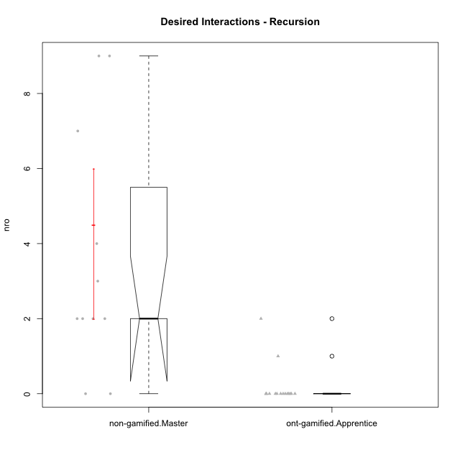

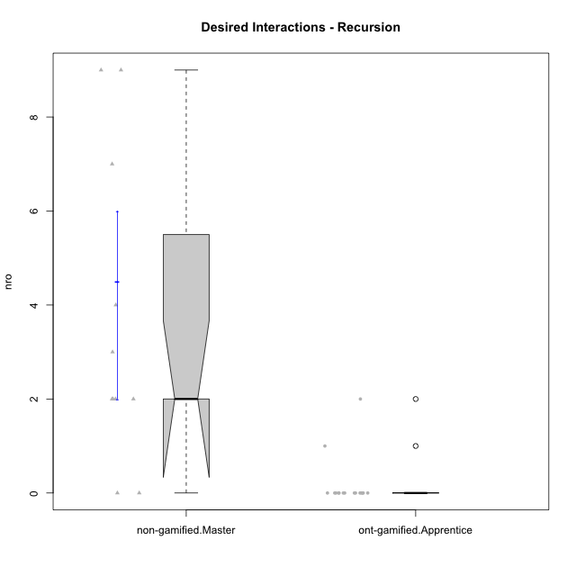

Wilcoxon data
UserID | NroUSP | Type | Group | CLRole | PlayerRole | ParticipationLevel | NroTotalInteractions | NroNecessaryInteractions | (1) Elaborar lista de exercícios | (2) Demonstrar a solução de um problema | (3) Enviar (ou reenviar) a solução do problema | (c) Aceitar a solução como boa | NroSolutionReviewed (Apprentice) | NroSolutionReviewed (Master) | NroSolutionWithoutReviewed (Apprentice) | NroSolutionWithoutReviewed (Master) | NroSolutionGoodReview | NroDesiredInteractions | (a) Expressar dúvidas em relação à demonstração | (b) Esclarecer as dúvidas | (d) Notificar os erros existentes na solução | (e) Apresentar dicas ou otra forma de ajuda | (f) Expressar dificuldade em resolver o problema | (g) Explicar como resolver o problema
10238 | 10276953 | ont-gamified | Grupo Belos | Apprentice | Yee Socializer | semicomplete | 1 | 1 | 0 | 0 | 1 | 0 | 1 | 0 | 0 | 0 | 1 | 0 | 0 | 0 | 0 | 0 | 0 | 0
10237 | 10377688 | ont-gamified | Grupo Ellaru | Apprentice | Yee Socializer | partial | 1 | 1 | 0 | 0 | 1 | 0 | 1 | 0 | 0 | 0 | 0 | 0 | 0 | 0 | 0 | 0 | 0 | 0
10212 | 9065750 | ont-gamified | Grupo Ellaru | Apprentice | Yee Socializer | none | 0 | 0 | 0 | 0 | 0 | 0 | 0 | 0 | 0 | 0 | 0 | 0 | 0 | 0 | 0 | 0 | 0 | 0
10230 | 10351992 | ont-gamified | Grupo Koil | Apprentice | Yee Achiever | partial | 7 | 5 | 0 | 0 | 5 | 0 | 2 | 0 | 3 | 0 | 0 | 2 | 2 | 0 | 0 | 0 | 0 | 0
10214 | 10277022 | ont-gamified | Grupo Koil | Apprentice | Yee Achiever | complete | 3 | 3 | 0 | 0 | 3 | 0 | 3 | 0 | 0 | 0 | 3 | 0 | 0 | 0 | 0 | 0 | 0 | 0
10228 | 10310492 | ont-gamified | Grupo Losvakai | Apprentice | Yee Achiever | partial | 1 | 1 | 0 | 0 | 1 | 0 | 0 | 0 | 1 | 0 | 0 | 0 | 0 | 0 | 0 | 0 | 0 | 0
10210 | 10277015 | ont-gamified | Grupo Losvakai | Apprentice | Yee Achiever | complete | 6 | 6 | 0 | 0 | 6 | 0 | 6 | 0 | 0 | 0 | 5 | 0 | 0 | 0 | 0 | 0 | 0 | 0
10202 | 10277036 | ont-gamified | Grupo Paldira | Apprentice | Yee Achiever | complete | 6 | 6 | 0 | 0 | 6 | 0 | 3 | 0 | 3 | 0 | 2 | 0 | 0 | 0 | 0 | 0 | 0 | 0
10203 | 9921470 | ont-gamified | Grupo Paldira | Apprentice | Yee Achiever | partial | 3 | 2 | 0 | 0 | 2 | 0 | 2 | 0 | 0 | 0 | 0 | 1 | 0 | 0 | 0 | 0 | 1 | 0
10187 | 9790781 | ont-gamified | Grupo Razorg | Apprentice | Yee Achiever | complete | 3 | 3 | 0 | 0 | 3 | 0 | 3 | 0 | 0 | 0 | 3 | 0 | 0 | 0 | 0 | 0 | 0 | 0
10219 | 10276831 | ont-gamified | Grupo Razorg | Apprentice | Yee Achiever | partial | 1 | 1 | 0 | 0 | 1 | 0 | 1 | 0 | 0 | 0 | 0 | 0 | 0 | 0 | 0 | 0 | 0 | 0
10209 | 10262669 | non-gamified | Grupo Team 1 | Master |  | semicomplete | 7 | 5 | 1 | 1 | 0 | 3 | 0 | 4 | 0 | 1 | 0 | 2 | 0 | 1 | 0 | 1 | 0 | 0
10201 | 10276928 | non-gamified | Grupo Team 10 | Master |  | complete | 6 | 4 | 2 | 2 | 0 | 0 | 0 | 2 | 0 | 0 | 0 | 2 | 0 | 0 | 1 | 1 | 0 | 0
10197 | 10276661 | non-gamified | Grupo Team 11 | Master |  | complete | 5 | 2 | 1 | 1 | 0 | 0 | 0 | 3 | 0 | 0 | 0 | 3 | 0 | 0 | 2 | 1 | 0 | 0
10193 | 10276762 | non-gamified | Grupo Team 2 | Master |  | complete | 4 | 2 | 1 | 1 | 0 | 0 | 0 | 1 | 0 | 0 | 0 | 2 | 0 | 1 | 0 | 1 | 0 | 0
10223 | 9795185 | non-gamified | Grupo Team 3 | Master |  | complete | 5 | 5 | 1 | 1 | 0 | 3 | 0 | 3 | 0 | 0 | 0 | 0 | 0 | 0 | 0 | 0 | 0 | 0
10231 | 10276911 | non-gamified | Grupo Team 4 | Master |  | complete | 14 | 5 | 2 | 2 | 0 | 1 | 0 | 6 | 0 | 0 | 0 | 9 | 0 | 1 | 5 | 3 | 0 | 0
10204 | 10310471 | non-gamified | Grupo Team 5 | Master |  | semicomplete | 9 | 5 | 1 | 1 | 0 | 3 | 0 | 4 | 0 | 2 | 0 | 4 | 0 | 2 | 1 | 1 | 0 | 0
10175 | 10310700 | non-gamified | Grupo Team 6 | Master |  | complete | 12 | 5 | 1 | 1 | 0 | 3 | 0 | 7 | 0 | 0 | 0 | 7 | 0 | 0 | 4 | 3 | 0 | 0
10184 | 10276675 | non-gamified | Grupo Team 7 | Master |  | complete | 16 | 7 | 1 | 1 | 0 | 5 | 0 | 7 | 0 | 0 | 0 | 9 | 0 | 0 | 3 | 5 | 0 | 1
10213 | 10277040 | non-gamified | Grupo Team 8 | Master |  | complete | 6 | 6 | 1 | 1 | 0 | 4 | 0 | 4 | 0 | 0 | 0 | 0 | 0 | 0 | 0 | 0 | 0 | 0
10206 | 10310721 | non-gamified | Grupo Team 9 | Master |  | complete | 10 | 8 | 1 | 1 | 0 | 6 | 0 | 6 | 0 | 0 | 0 | 2 | 0 | 1 | 1 | 0 | 0 | 0
10233 | 9805320 | ont-gamified | Grupo Tosskor | Apprentice | Yee Achiever | partial | 1 | 1 | 0 | 0 | 1 | 0 | 0 | 0 | 1 | 0 | 0 | 0 | 0 | 0 | 0 | 0 | 0 | 0
10179 | 10310759 | ont-gamified | Grupo Tosskor | Apprentice | Yee Achiever | semicomplete | 5 | 5 | 0 | 0 | 5 | 0 | 2 | 0 | 3 | 0 | 1 | 0 | 0 | 0 | 0 | 0 | 0 | 0
10191 | 10276981 | ont-gamified | Grupo Yeka | Apprentice | Yee Socializer | semicomplete | 1 | 1 | 0 | 0 | 1 | 0 | 1 | 0 | 0 | 0 | 1 | 0 | 0 | 0 | 0 | 0 | 0 | 0
10226 | 10310342 | ont-gamified | Grupo Yeka | Apprentice | Yee Socializer | semicomplete | 1 | 1 | 0 | 0 | 1 | 0 | 1 | 0 | 0 | 0 | 1 | 0 | 0 | 0 | 0 | 0 | 0 | 0
10192 | 10276682 | ont-gamified | Grupo Yeka | Apprentice | Yee Socializer | complete | 4 | 4 | 0 | 0 | 4 | 0 | 4 | 0 | 0 | 0 | 3 | 0 | 0 | 0 | 0 | 0 | 0 | 0

Type_CLRole_5
Wilcoxon Analysis for Desired Interactions - Recursion in Type:CLRole between non-gamified.Master:ont-gamified.Master

Wilcoxon test results
Alternative hypothesis: less
Group | N | Median | Mean.Ranks | Sum.Ranks | U | Z | p.value | r | magnitude
non-gamified.Master | 11 | 2 | 10.045454545 | 110.5 | 44.5 | 0.042030095475 | 0.52119552274 | 0.009642365198 | none
ont-gamified.Master | 8 | 3 | 9.9375 | 79.5 | 44.5 | 0.042030095475 | 0.52119552274 | 0.009642365198 | none
Alternative hypothesis: greater
Group | N | Median | Mean.Ranks | Sum.Ranks | U | Z | p.value | r | magnitude
non-gamified.Master | 11 | 2 | 10.045454545 | 110.5 | 44.5 | 0.042030095475 | 0.49036807706 | 0.009642365198 | none
ont-gamified.Master | 8 | 3 | 9.9375 | 79.5 | 44.5 | 0.042030095475 | 0.49036807706 | 0.009642365198 | none
Alternative hypothesis: two.sided
Group | N | Median | Mean.Ranks | Sum.Ranks | U | Z | p.value | r | magnitude
non-gamified.Master | 11 | 2 | 10.045454545 | 110.5 | 44.5 | 0.042030095475 | 0.9835939774 | 0.009642365198 | none
ont-gamified.Master | 8 | 3 | 9.9375 | 79.5 | 44.5 | 0.042030095475 | 0.9835939774 | 0.009642365198 | none

Box plots for wilcoxon tests
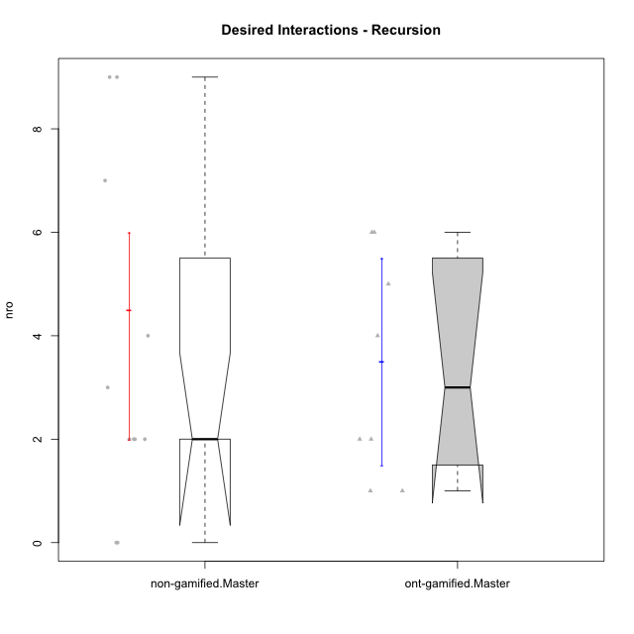

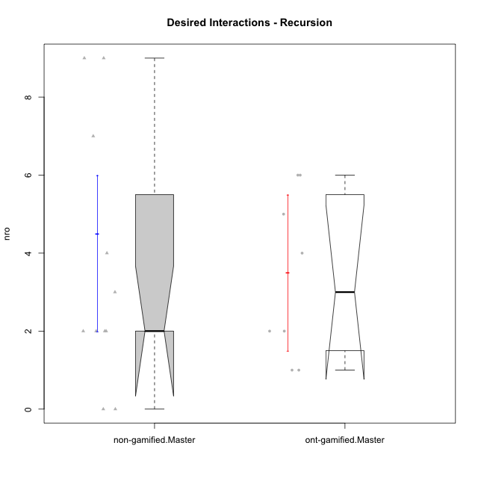

Wilcoxon data
UserID | NroUSP | Type | Group | CLRole | PlayerRole | ParticipationLevel | NroTotalInteractions | NroNecessaryInteractions | (1) Elaborar lista de exercícios | (2) Demonstrar a solução de um problema | (3) Enviar (ou reenviar) a solução do problema | (c) Aceitar a solução como boa | NroSolutionReviewed (Apprentice) | NroSolutionReviewed (Master) | NroSolutionWithoutReviewed (Apprentice) | NroSolutionWithoutReviewed (Master) | NroSolutionGoodReview | NroDesiredInteractions | (a) Expressar dúvidas em relação à demonstração | (b) Esclarecer as dúvidas | (d) Notificar os erros existentes na solução | (e) Apresentar dicas ou otra forma de ajuda | (f) Expressar dificuldade em resolver o problema | (g) Explicar como resolver o problema
10217 | 9805341 | ont-gamified | Grupo Belos | Master | Yee Socializer | complete | 11 | 6 | 1 | 1 | 0 | 4 | 0 | 5 | 0 | 0 | 0 | 5 | 0 | 0 | 0 | 5 | 0 | 0
10216 | 10276720 | ont-gamified | Grupo Ellaru | Master | Yee Socializer | complete | 6 | 2 | 1 | 1 | 0 | 0 | 0 | 1 | 0 | 0 | 0 | 4 | 0 | 0 | 2 | 2 | 0 | 0
10172 | 10273971 | ont-gamified | Grupo Koil | Master | Yee Achiever | semicomplete | 7 | 5 | 1 | 1 | 0 | 3 | 0 | 5 | 0 | 3 | 0 | 2 | 0 | 0 | 2 | 0 | 0 | 0
10171 | 698531 | ont-gamified | Grupo Losvakai | Master | Yee Achiever | semicomplete | 13 | 7 | 1 | 1 | 0 | 5 | 0 | 6 | 0 | 1 | 0 | 6 | 0 | 0 | 2 | 4 | 0 | 0
10188 | 10276995 | ont-gamified | Grupo Paldira | Master | Yee Achiever | semicomplete | 10 | 4 | 1 | 1 | 0 | 2 | 0 | 5 | 0 | 3 | 0 | 6 | 0 | 0 | 3 | 3 | 0 | 0
10211 | 9311643 | ont-gamified | Grupo Razorg | Master | Yee Achiever | complete | 6 | 5 | 1 | 1 | 0 | 3 | 0 | 4 | 0 | 0 | 0 | 1 | 0 | 0 | 1 | 0 | 0 | 0
10209 | 10262669 | non-gamified | Grupo Team 1 | Master |  | semicomplete | 7 | 5 | 1 | 1 | 0 | 3 | 0 | 4 | 0 | 1 | 0 | 2 | 0 | 1 | 0 | 1 | 0 | 0
10201 | 10276928 | non-gamified | Grupo Team 10 | Master |  | complete | 6 | 4 | 2 | 2 | 0 | 0 | 0 | 2 | 0 | 0 | 0 | 2 | 0 | 0 | 1 | 1 | 0 | 0
10197 | 10276661 | non-gamified | Grupo Team 11 | Master |  | complete | 5 | 2 | 1 | 1 | 0 | 0 | 0 | 3 | 0 | 0 | 0 | 3 | 0 | 0 | 2 | 1 | 0 | 0
10193 | 10276762 | non-gamified | Grupo Team 2 | Master |  | complete | 4 | 2 | 1 | 1 | 0 | 0 | 0 | 1 | 0 | 0 | 0 | 2 | 0 | 1 | 0 | 1 | 0 | 0
10223 | 9795185 | non-gamified | Grupo Team 3 | Master |  | complete | 5 | 5 | 1 | 1 | 0 | 3 | 0 | 3 | 0 | 0 | 0 | 0 | 0 | 0 | 0 | 0 | 0 | 0
10231 | 10276911 | non-gamified | Grupo Team 4 | Master |  | complete | 14 | 5 | 2 | 2 | 0 | 1 | 0 | 6 | 0 | 0 | 0 | 9 | 0 | 1 | 5 | 3 | 0 | 0
10204 | 10310471 | non-gamified | Grupo Team 5 | Master |  | semicomplete | 9 | 5 | 1 | 1 | 0 | 3 | 0 | 4 | 0 | 2 | 0 | 4 | 0 | 2 | 1 | 1 | 0 | 0
10175 | 10310700 | non-gamified | Grupo Team 6 | Master |  | complete | 12 | 5 | 1 | 1 | 0 | 3 | 0 | 7 | 0 | 0 | 0 | 7 | 0 | 0 | 4 | 3 | 0 | 0
10184 | 10276675 | non-gamified | Grupo Team 7 | Master |  | complete | 16 | 7 | 1 | 1 | 0 | 5 | 0 | 7 | 0 | 0 | 0 | 9 | 0 | 0 | 3 | 5 | 0 | 1
10213 | 10277040 | non-gamified | Grupo Team 8 | Master |  | complete | 6 | 6 | 1 | 1 | 0 | 4 | 0 | 4 | 0 | 0 | 0 | 0 | 0 | 0 | 0 | 0 | 0 | 0
10206 | 10310721 | non-gamified | Grupo Team 9 | Master |  | complete | 10 | 8 | 1 | 1 | 0 | 6 | 0 | 6 | 0 | 0 | 0 | 2 | 0 | 1 | 1 | 0 | 0 | 0
10185 | 10276960 | ont-gamified | Grupo Tosskor | Master | Yee Achiever | semicomplete | 4 | 3 | 1 | 1 | 0 | 1 | 0 | 2 | 0 | 4 | 0 | 1 | 0 | 0 | 0 | 1 | 0 | 0
10208 | 10276932 | ont-gamified | Grupo Yeka | Master | Yee Socializer | complete | 13 | 11 | 1 | 1 | 0 | 9 | 0 | 6 | 0 | 0 | 0 | 2 | 0 | 0 | 2 | 0 | 0 | 0

Type_CLRole_6
Wilcoxon Analysis for Desired Interactions - Recursion in Type:CLRole between ont-gamified.Apprentice:ont-gamified.Master

Wilcoxon test results
Alternative hypothesis: less
Group | N | Median | Mean.Ranks | Sum.Ranks | U | Z | p.value | r | magnitude
ont-gamified.Apprentice | 16 | 0 | 8.75 | 140 | 4 | -4.1123916041 | 1.6316075005E-05 | 0.83943842106 | large
ont-gamified.Master | 8 | 3 | 20 | 160 | 4 | -4.1123916041 | 1.6316075005E-05 | 0.83943842106 | large
Alternative hypothesis: greater
Group | N | Median | Mean.Ranks | Sum.Ranks | U | Z | p.value | r | magnitude
ont-gamified.Apprentice | 16 | 0 | 8.75 | 140 | 4 | -4.1123916041 | 0.99999592098 | 0.83943842106 | large
ont-gamified.Master | 8 | 3 | 20 | 160 | 4 | -4.1123916041 | 0.99999592098 | 0.83943842106 | large
Alternative hypothesis: two.sided
Group | N | Median | Mean.Ranks | Sum.Ranks | U | Z | p.value | r | magnitude
ont-gamified.Apprentice | 16 | 0 | 8.75 | 140 | 4 | -4.1123916041 | 1.6316075005E-05 | 0.83943842106 | large
ont-gamified.Master | 8 | 3 | 20 | 160 | 4 | -4.1123916041 | 1.6316075005E-05 | 0.83943842106 | large

Box plots for wilcoxon tests
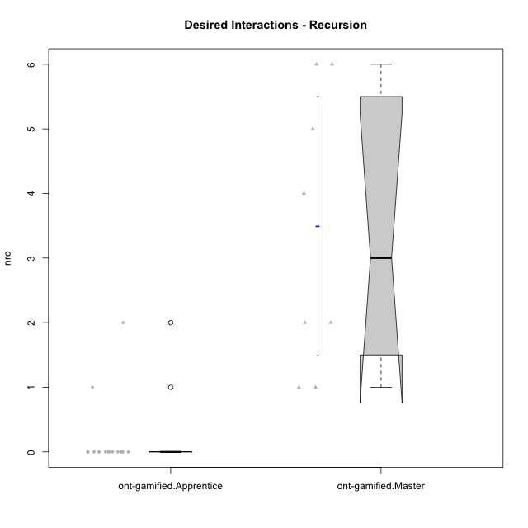

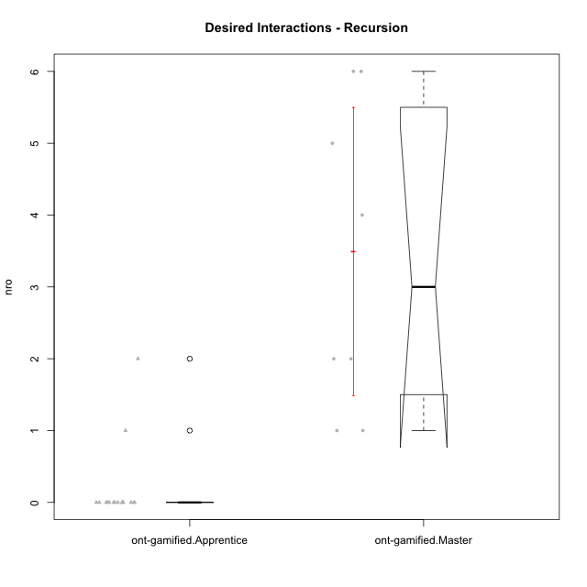

Wilcoxon data
UserID | NroUSP | Type | Group | CLRole | PlayerRole | ParticipationLevel | NroTotalInteractions | NroNecessaryInteractions | (1) Elaborar lista de exercícios | (2) Demonstrar a solução de um problema | (3) Enviar (ou reenviar) a solução do problema | (c) Aceitar a solução como boa | NroSolutionReviewed (Apprentice) | NroSolutionReviewed (Master) | NroSolutionWithoutReviewed (Apprentice) | NroSolutionWithoutReviewed (Master) | NroSolutionGoodReview | NroDesiredInteractions | (a) Expressar dúvidas em relação à demonstração | (b) Esclarecer as dúvidas | (d) Notificar os erros existentes na solução | (e) Apresentar dicas ou otra forma de ajuda | (f) Expressar dificuldade em resolver o problema | (g) Explicar como resolver o problema
10238 | 10276953 | ont-gamified | Grupo Belos | Apprentice | Yee Socializer | semicomplete | 1 | 1 | 0 | 0 | 1 | 0 | 1 | 0 | 0 | 0 | 1 | 0 | 0 | 0 | 0 | 0 | 0 | 0
10217 | 9805341 | ont-gamified | Grupo Belos | Master | Yee Socializer | complete | 11 | 6 | 1 | 1 | 0 | 4 | 0 | 5 | 0 | 0 | 0 | 5 | 0 | 0 | 0 | 5 | 0 | 0
10237 | 10377688 | ont-gamified | Grupo Ellaru | Apprentice | Yee Socializer | partial | 1 | 1 | 0 | 0 | 1 | 0 | 1 | 0 | 0 | 0 | 0 | 0 | 0 | 0 | 0 | 0 | 0 | 0
10212 | 9065750 | ont-gamified | Grupo Ellaru | Apprentice | Yee Socializer | none | 0 | 0 | 0 | 0 | 0 | 0 | 0 | 0 | 0 | 0 | 0 | 0 | 0 | 0 | 0 | 0 | 0 | 0
10216 | 10276720 | ont-gamified | Grupo Ellaru | Master | Yee Socializer | complete | 6 | 2 | 1 | 1 | 0 | 0 | 0 | 1 | 0 | 0 | 0 | 4 | 0 | 0 | 2 | 2 | 0 | 0
10230 | 10351992 | ont-gamified | Grupo Koil | Apprentice | Yee Achiever | partial | 7 | 5 | 0 | 0 | 5 | 0 | 2 | 0 | 3 | 0 | 0 | 2 | 2 | 0 | 0 | 0 | 0 | 0
10214 | 10277022 | ont-gamified | Grupo Koil | Apprentice | Yee Achiever | complete | 3 | 3 | 0 | 0 | 3 | 0 | 3 | 0 | 0 | 0 | 3 | 0 | 0 | 0 | 0 | 0 | 0 | 0
10172 | 10273971 | ont-gamified | Grupo Koil | Master | Yee Achiever | semicomplete | 7 | 5 | 1 | 1 | 0 | 3 | 0 | 5 | 0 | 3 | 0 | 2 | 0 | 0 | 2 | 0 | 0 | 0
10228 | 10310492 | ont-gamified | Grupo Losvakai | Apprentice | Yee Achiever | partial | 1 | 1 | 0 | 0 | 1 | 0 | 0 | 0 | 1 | 0 | 0 | 0 | 0 | 0 | 0 | 0 | 0 | 0
10210 | 10277015 | ont-gamified | Grupo Losvakai | Apprentice | Yee Achiever | complete | 6 | 6 | 0 | 0 | 6 | 0 | 6 | 0 | 0 | 0 | 5 | 0 | 0 | 0 | 0 | 0 | 0 | 0
10171 | 698531 | ont-gamified | Grupo Losvakai | Master | Yee Achiever | semicomplete | 13 | 7 | 1 | 1 | 0 | 5 | 0 | 6 | 0 | 1 | 0 | 6 | 0 | 0 | 2 | 4 | 0 | 0
10202 | 10277036 | ont-gamified | Grupo Paldira | Apprentice | Yee Achiever | complete | 6 | 6 | 0 | 0 | 6 | 0 | 3 | 0 | 3 | 0 | 2 | 0 | 0 | 0 | 0 | 0 | 0 | 0
10203 | 9921470 | ont-gamified | Grupo Paldira | Apprentice | Yee Achiever | partial | 3 | 2 | 0 | 0 | 2 | 0 | 2 | 0 | 0 | 0 | 0 | 1 | 0 | 0 | 0 | 0 | 1 | 0
10188 | 10276995 | ont-gamified | Grupo Paldira | Master | Yee Achiever | semicomplete | 10 | 4 | 1 | 1 | 0 | 2 | 0 | 5 | 0 | 3 | 0 | 6 | 0 | 0 | 3 | 3 | 0 | 0
10187 | 9790781 | ont-gamified | Grupo Razorg | Apprentice | Yee Achiever | complete | 3 | 3 | 0 | 0 | 3 | 0 | 3 | 0 | 0 | 0 | 3 | 0 | 0 | 0 | 0 | 0 | 0 | 0
10211 | 9311643 | ont-gamified | Grupo Razorg | Master | Yee Achiever | complete | 6 | 5 | 1 | 1 | 0 | 3 | 0 | 4 | 0 | 0 | 0 | 1 | 0 | 0 | 1 | 0 | 0 | 0
10219 | 10276831 | ont-gamified | Grupo Razorg | Apprentice | Yee Achiever | partial | 1 | 1 | 0 | 0 | 1 | 0 | 1 | 0 | 0 | 0 | 0 | 0 | 0 | 0 | 0 | 0 | 0 | 0
10233 | 9805320 | ont-gamified | Grupo Tosskor | Apprentice | Yee Achiever | partial | 1 | 1 | 0 | 0 | 1 | 0 | 0 | 0 | 1 | 0 | 0 | 0 | 0 | 0 | 0 | 0 | 0 | 0
10185 | 10276960 | ont-gamified | Grupo Tosskor | Master | Yee Achiever | semicomplete | 4 | 3 | 1 | 1 | 0 | 1 | 0 | 2 | 0 | 4 | 0 | 1 | 0 | 0 | 0 | 1 | 0 | 0
10179 | 10310759 | ont-gamified | Grupo Tosskor | Apprentice | Yee Achiever | semicomplete | 5 | 5 | 0 | 0 | 5 | 0 | 2 | 0 | 3 | 0 | 1 | 0 | 0 | 0 | 0 | 0 | 0 | 0
10208 | 10276932 | ont-gamified | Grupo Yeka | Master | Yee Socializer | complete | 13 | 11 | 1 | 1 | 0 | 9 | 0 | 6 | 0 | 0 | 0 | 2 | 0 | 0 | 2 | 0 | 0 | 0
10191 | 10276981 | ont-gamified | Grupo Yeka | Apprentice | Yee Socializer | semicomplete | 1 | 1 | 0 | 0 | 1 | 0 | 1 | 0 | 0 | 0 | 1 | 0 | 0 | 0 | 0 | 0 | 0 | 0
10226 | 10310342 | ont-gamified | Grupo Yeka | Apprentice | Yee Socializer | semicomplete | 1 | 1 | 0 | 0 | 1 | 0 | 1 | 0 | 0 | 0 | 1 | 0 | 0 | 0 | 0 | 0 | 0 | 0
10192 | 10276682 | ont-gamified | Grupo Yeka | Apprentice | Yee Socializer | complete | 4 | 4 | 0 | 0 | 4 | 0 | 4 | 0 | 0 | 0 | 3 | 0 | 0 | 0 | 0 | 0 | 0 | 0

