Type_1
Wilcoxon Analysis for Gains in Skill/Knowledge - Loop Structures in Type between non-gamified:ont-gamified

Wilcoxon test results
Alternative hypothesis: less
Group | N | Median | Mean.Ranks | Sum.Ranks | U | Z | p.value | r | magnitude
non-gamified | 29 | -0.00184997009 | 24.206896552 | 702 | 267 | -0.17919905261 | 0.43369269499 | 0.025865155315 | none
ont-gamified | 19 | 0.038106090291 | 24.947368421 | 474 | 267 | -0.17919905261 | 0.43369269499 | 0.025865155315 | none
Alternative hypothesis: greater
Group | N | Median | Mean.Ranks | Sum.Ranks | U | Z | p.value | r | magnitude
non-gamified | 29 | -0.00184997009 | 24.206896552 | 702 | 267 | -0.17919905261 | 0.57450589456 | 0.025865155315 | none
ont-gamified | 19 | 0.038106090291 | 24.947368421 | 474 | 267 | -0.17919905261 | 0.57450589456 | 0.025865155315 | none
Alternative hypothesis: two.sided
Group | N | Median | Mean.Ranks | Sum.Ranks | U | Z | p.value | r | magnitude
non-gamified | 29 | -0.00184997009 | 24.206896552 | 702 | 267 | -0.17919905261 | 0.86738538997 | 0.025865155315 | none
ont-gamified | 19 | 0.038106090291 | 24.947368421 | 474 | 267 | -0.17919905261 | 0.86738538997 | 0.025865155315 | none

Box plots for wilcoxon tests
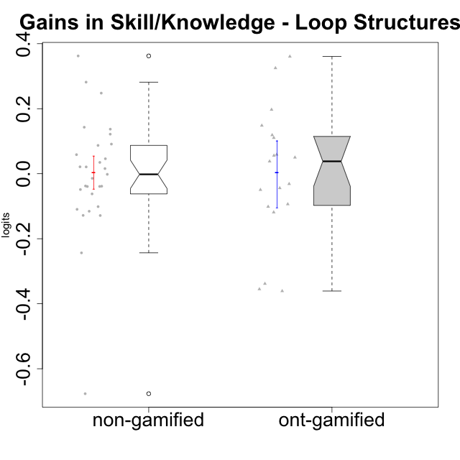

Wilcoxon data
UserID | NroUSP | Type | CLGroup | CLRole | PlayerRole | pre.theta | pos.theta | gain.theta
10169 | 10377538 | non-gamified | Grupo Team 10 | Apprentice |  | 0.010140602253 | -0.23333615123 | -0.24347675348
10170 | 10260351 | non-gamified | Grupo Team 6 | Apprentice |  | -0.03950203445 | -0.14904890037 | -0.10954686592
10172 | 10273971 | ont-gamified | Grupo Koil | Master | Yee Achiever | 0.051483775595 | 0.41201947957 | 0.36053570398
10174 | 10276852 | non-gamified | Grupo Team 1 | Apprentice |  | -0.13568774595 | -0.13753771604 | -0.00184997009
10175 | 10310700 | non-gamified | Grupo Team 6 | Master |  | 0.14402647817 | 0.28704464732 | 0.14301816915
10176 | 10276949 | non-gamified | Grupo Team 9 | Apprentice |  | 0.013755848069 | -0.023957994035 | -0.037713842104
10178 | 8656201 | non-gamified | Grupo Team 11 | Apprentice |  | 0.0066848458349 | -0.094586231726 | -0.10127107756
10179 | 10310759 | ont-gamified | Grupo Tosskor | Apprentice | Yee Achiever | -0.0053016330579 | 0.050528387889 | 0.055830020947
10181 | 10276866 | non-gamified | Grupo Team 7 | Apprentice |  | -0.017948135061 | 0.028112152452 | 0.046060287513
10183 | 10352030 | non-gamified | Grupo Belos | Apprentice | Yee Socializer | -0.23736103801 | -0.11573650889 | 0.12162452912
10184 | 10276675 | non-gamified | Grupo Team 7 | Master |  | 0.051483775595 | 0.072407195009 | 0.020923419415
10185 | 10276960 | ont-gamified | Grupo Tosskor | Master | Yee Achiever | 0.1515340595 | 0.29973832199 | 0.14820426249
10186 | 10310551 | non-gamified | Grupo Team 5 | Apprentice |  | -0.033543739879 | -0.16171630921 | -0.12817256933
10187 | 9790781 | ont-gamified | Grupo Razorg | Apprentice | Yee Achiever | 0.010140602253 | -0.034008308862 | -0.044148911115
10188 | 10276995 | ont-gamified | Grupo Paldira | Master | Yee Achiever | 0.34712828234 | -0.013833299367 | -0.36096158171
10189 | 9363926 | non-gamified | Grupo Team 2 | Apprentice |  | -0.10043341211 | -0.14904890037 | -0.048615488251
10190 | 10276907 | non-gamified | Grupo Team 8 | Apprentice |  | -0.0080691515383 | 0.050528387889 | 0.058597539427
10192 | 10276682 | ont-gamified | Grupo Yeka | Apprentice | Yee Socializer | 0.0066848458349 | -0.094633896403 | -0.10131874224
10196 | 10310655 | non-gamified | Grupo Team 5 | Apprentice |  | -0.064669622954 | 0.072407195009 | 0.13707681796
10197 | 10276661 | non-gamified | Grupo Team 11 | Master |  | 0.013755848069 | -0.024691939208 | -0.038447787278
10198 | 10310888 | non-gamified | Grupo Team 1 | Apprentice |  | -0.38699489116 | -0.024691939208 | 0.36230295195
10200 | 9795272 | non-gamified | Grupo Team 4 | Apprentice |  | -0.086737250916 | -0.2153466028 | -0.12860935188
10201 | 10276928 | non-gamified | Grupo Team 10 | Master |  | 0.025626189032 | 0.060421043723 | 0.034794854691
10202 | 10277036 | ont-gamified | Grupo Paldira | Apprentice | Yee Achiever | -0.082655539814 | -0.044549449523 | 0.038106090291
10203 | 9921470 | ont-gamified | Grupo Paldira | Apprentice | Yee Achiever | -0.22706275507 | -0.58217797473 | -0.35511521965
10204 | 10310471 | non-gamified | Grupo Team 5 | Master |  | 0.12606411275 | 0.11180813551 | -0.014255977234
10206 | 10310721 | non-gamified | Grupo Team 9 | Master |  | 0.017520522031 | -0.044549449523 | -0.062069971555
10208 | 10276932 | ont-gamified | Grupo Yeka | Master | Yee Socializer | 0.23591414704 | 0.14225375346 | -0.093660393586
10210 | 10277015 | ont-gamified | Grupo Losvakai | Apprentice | Yee Achiever | -0.064669622954 | -0.014674196259 | 0.049995426695
10212 | 9065750 | ont-gamified | Grupo Ellaru | Apprentice | Yee Socializer | 0.017520522031 | -0.013833299367 | -0.031353821399
10213 | 10277040 | non-gamified | Grupo Team 8 | Master |  | 0.10139343796 | 0.062276475451 | -0.039116962509
10214 | 10277022 | ont-gamified | Grupo Koil | Apprentice | Yee Achiever | 0.034769330517 | -0.014674196259 | -0.049443526777
10215 | 9285227 | non-gamified | Grupo Team 7 | Apprentice |  | -0.10568783336 | 0.14225375346 | 0.24794158682
10217 | 9805341 | ont-gamified | Grupo Belos | Master | Yee Socializer | 0.41078489455 | 0.072407195009 | -0.33837769954
10218 | 9842913 | non-gamified | Grupo Team 10 | Apprentice |  | 0.52716015767 | -0.14960053779 | -0.67676069547
10219 | 10276831 | ont-gamified | Grupo Razorg | Apprentice | Yee Achiever | -0.056612274291 | 0.062276475451 | 0.11888874974
10220 | 9760151 | non-gamified | Grupo Team 4 | Apprentice |  | -0.13568774595 | 0.146054125 | 0.28174187095
10221 | 9082496 | non-gamified | Grupo Team 3 | Apprentice |  | -0.13568774595 | -0.25117082434 | -0.11548307839
10224 | 9368772 | non-gamified | Grupo Team 9 | Apprentice |  | 0.034769330517 | -0.0045543408235 | -0.039323671341
10226 | 10310342 | ont-gamified | Grupo Yeka | Apprentice | Yee Socializer | -0.051092873279 | 0.146054125 | 0.19714699828
10227 | 9274382 | non-gamified | Grupo Team 2 | Apprentice |  | -0.060299494444 | 0.02677825477 | 0.087077749214
10228 | 10310492 | ont-gamified | Grupo Losvakai | Apprentice | Yee Achiever | -0.0080691515383 | -0.1266821515 | -0.11861299996
10230 | 10351992 | ont-gamified | Grupo Koil | Apprentice | Yee Achiever | 0.031744712177 | 0.14225375346 | 0.11050904128
10231 | 10276911 | non-gamified | Grupo Team 4 | Master |  | 0.23591414704 | 0.25171361839 | 0.015799471352
10232 | 10276974 | non-gamified | Grupo Team 3 | Apprentice |  | -0.13568774595 | -0.044549449523 | 0.091138296425
10237 | 10377688 | ont-gamified | Grupo Ellaru | Apprentice | Yee Socializer | -0.025279376516 | 0.29973832199 | 0.32501769851
10238 | 10276953 | ont-gamified | Grupo Belos | Apprentice | Yee Socializer | -0.019775431883 | 0.039160077898 | 0.058935509781
10240 | 10276654 | non-gamified | Grupo Team 8 | Apprentice |  | -0.10568783336 | -0.084434463854 | 0.021253369511

Type_CLRole_1
Wilcoxon Analysis for Gains in Skill/Knowledge - Loop Structures in Type:CLRole between non-gamified.Apprentice:non-gamified.Master

Wilcoxon test results
Alternative hypothesis: less
Group | N | Median | Mean.Ranks | Sum.Ranks | U | Z | p.value | r | magnitude
non-gamified.Apprentice | 21 | -0.00184997009 | 14.857142857 | 312 | 81 | -0.14638501094 | 0.45246281288 | 0.027183014111 | none
non-gamified.Master | 8 | 0.00077174705875 | 15.375 | 123 | 81 | -0.14638501094 | 0.45246281288 | 0.027183014111 | none
Alternative hypothesis: greater
Group | N | Median | Mean.Ranks | Sum.Ranks | U | Z | p.value | r | magnitude
non-gamified.Apprentice | 21 | -0.00184997009 | 14.857142857 | 312 | 81 | -0.14638501094 | 0.56640351153 | 0.027183014111 | none
non-gamified.Master | 8 | 0.00077174705875 | 15.375 | 123 | 81 | -0.14638501094 | 0.56640351153 | 0.027183014111 | none
Alternative hypothesis: two.sided
Group | N | Median | Mean.Ranks | Sum.Ranks | U | Z | p.value | r | magnitude
non-gamified.Apprentice | 21 | -0.00184997009 | 14.857142857 | 312 | 81 | -0.14638501094 | 0.90492562577 | 0.027183014111 | none
non-gamified.Master | 8 | 0.00077174705875 | 15.375 | 123 | 81 | -0.14638501094 | 0.90492562577 | 0.027183014111 | none

Box plots for wilcoxon tests
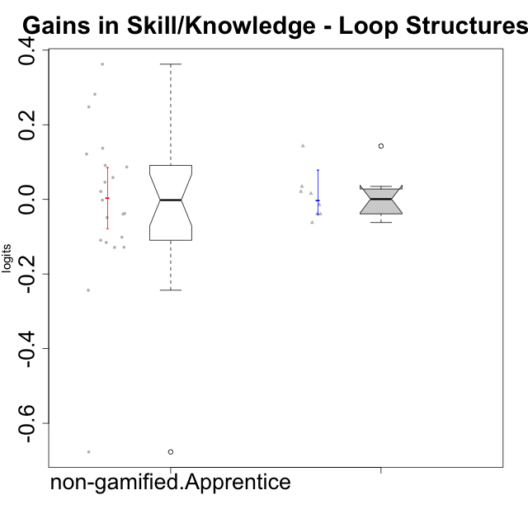

Wilcoxon data
UserID | NroUSP | Type | CLGroup | CLRole | PlayerRole | pre.theta | pos.theta | gain.theta
10169 | 10377538 | non-gamified | Grupo Team 10 | Apprentice |  | 0.010140602253 | -0.23333615123 | -0.24347675348
10170 | 10260351 | non-gamified | Grupo Team 6 | Apprentice |  | -0.03950203445 | -0.14904890037 | -0.10954686592
10174 | 10276852 | non-gamified | Grupo Team 1 | Apprentice |  | -0.13568774595 | -0.13753771604 | -0.00184997009
10175 | 10310700 | non-gamified | Grupo Team 6 | Master |  | 0.14402647817 | 0.28704464732 | 0.14301816915
10176 | 10276949 | non-gamified | Grupo Team 9 | Apprentice |  | 0.013755848069 | -0.023957994035 | -0.037713842104
10178 | 8656201 | non-gamified | Grupo Team 11 | Apprentice |  | 0.0066848458349 | -0.094586231726 | -0.10127107756
10181 | 10276866 | non-gamified | Grupo Team 7 | Apprentice |  | -0.017948135061 | 0.028112152452 | 0.046060287513
10183 | 10352030 | non-gamified | Grupo Belos | Apprentice | Yee Socializer | -0.23736103801 | -0.11573650889 | 0.12162452912
10184 | 10276675 | non-gamified | Grupo Team 7 | Master |  | 0.051483775595 | 0.072407195009 | 0.020923419415
10186 | 10310551 | non-gamified | Grupo Team 5 | Apprentice |  | -0.033543739879 | -0.16171630921 | -0.12817256933
10189 | 9363926 | non-gamified | Grupo Team 2 | Apprentice |  | -0.10043341211 | -0.14904890037 | -0.048615488251
10190 | 10276907 | non-gamified | Grupo Team 8 | Apprentice |  | -0.0080691515383 | 0.050528387889 | 0.058597539427
10196 | 10310655 | non-gamified | Grupo Team 5 | Apprentice |  | -0.064669622954 | 0.072407195009 | 0.13707681796
10197 | 10276661 | non-gamified | Grupo Team 11 | Master |  | 0.013755848069 | -0.024691939208 | -0.038447787278
10198 | 10310888 | non-gamified | Grupo Team 1 | Apprentice |  | -0.38699489116 | -0.024691939208 | 0.36230295195
10200 | 9795272 | non-gamified | Grupo Team 4 | Apprentice |  | -0.086737250916 | -0.2153466028 | -0.12860935188
10201 | 10276928 | non-gamified | Grupo Team 10 | Master |  | 0.025626189032 | 0.060421043723 | 0.034794854691
10204 | 10310471 | non-gamified | Grupo Team 5 | Master |  | 0.12606411275 | 0.11180813551 | -0.014255977234
10206 | 10310721 | non-gamified | Grupo Team 9 | Master |  | 0.017520522031 | -0.044549449523 | -0.062069971555
10213 | 10277040 | non-gamified | Grupo Team 8 | Master |  | 0.10139343796 | 0.062276475451 | -0.039116962509
10215 | 9285227 | non-gamified | Grupo Team 7 | Apprentice |  | -0.10568783336 | 0.14225375346 | 0.24794158682
10218 | 9842913 | non-gamified | Grupo Team 10 | Apprentice |  | 0.52716015767 | -0.14960053779 | -0.67676069547
10220 | 9760151 | non-gamified | Grupo Team 4 | Apprentice |  | -0.13568774595 | 0.146054125 | 0.28174187095
10221 | 9082496 | non-gamified | Grupo Team 3 | Apprentice |  | -0.13568774595 | -0.25117082434 | -0.11548307839
10224 | 9368772 | non-gamified | Grupo Team 9 | Apprentice |  | 0.034769330517 | -0.0045543408235 | -0.039323671341
10227 | 9274382 | non-gamified | Grupo Team 2 | Apprentice |  | -0.060299494444 | 0.02677825477 | 0.087077749214
10231 | 10276911 | non-gamified | Grupo Team 4 | Master |  | 0.23591414704 | 0.25171361839 | 0.015799471352
10232 | 10276974 | non-gamified | Grupo Team 3 | Apprentice |  | -0.13568774595 | -0.044549449523 | 0.091138296425
10240 | 10276654 | non-gamified | Grupo Team 8 | Apprentice |  | -0.10568783336 | -0.084434463854 | 0.021253369511

Type_CLRole_2
Wilcoxon Analysis for Gains in Skill/Knowledge - Loop Structures in Type:CLRole between non-gamified.Apprentice:ont-gamified.Apprentice

Wilcoxon test results
Alternative hypothesis: less
Group | N | Median | Mean.Ranks | Sum.Ranks | U | Z | p.value | r | magnitude
non-gamified.Apprentice | 21 | -0.00184997009 | 17.476190476 | 367 | 136 | -0.37038926634 | 0.36358616405 | 0.06260721287 | none
ont-gamified.Apprentice | 14 | 0.044050758493 | 18.785714286 | 263 | 136 | -0.37038926634 | 0.36358616405 | 0.06260721287 | none
Alternative hypothesis: greater
Group | N | Median | Mean.Ranks | Sum.Ranks | U | Z | p.value | r | magnitude
non-gamified.Apprentice | 21 | -0.00184997009 | 17.476190476 | 367 | 136 | -0.37038926634 | 0.64882843769 | 0.06260721287 | none
ont-gamified.Apprentice | 14 | 0.044050758493 | 18.785714286 | 263 | 136 | -0.37038926634 | 0.64882843769 | 0.06260721287 | none
Alternative hypothesis: two.sided
Group | N | Median | Mean.Ranks | Sum.Ranks | U | Z | p.value | r | magnitude
non-gamified.Apprentice | 21 | -0.00184997009 | 17.476190476 | 367 | 136 | -0.37038926634 | 0.7271723281 | 0.06260721287 | none
ont-gamified.Apprentice | 14 | 0.044050758493 | 18.785714286 | 263 | 136 | -0.37038926634 | 0.7271723281 | 0.06260721287 | none

Box plots for wilcoxon tests
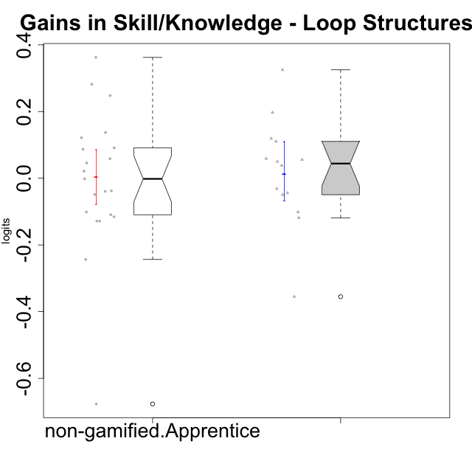

Wilcoxon data
UserID | NroUSP | Type | CLGroup | CLRole | PlayerRole | pre.theta | pos.theta | gain.theta
10169 | 10377538 | non-gamified | Grupo Team 10 | Apprentice |  | 0.010140602253 | -0.23333615123 | -0.24347675348
10170 | 10260351 | non-gamified | Grupo Team 6 | Apprentice |  | -0.03950203445 | -0.14904890037 | -0.10954686592
10174 | 10276852 | non-gamified | Grupo Team 1 | Apprentice |  | -0.13568774595 | -0.13753771604 | -0.00184997009
10176 | 10276949 | non-gamified | Grupo Team 9 | Apprentice |  | 0.013755848069 | -0.023957994035 | -0.037713842104
10178 | 8656201 | non-gamified | Grupo Team 11 | Apprentice |  | 0.0066848458349 | -0.094586231726 | -0.10127107756
10179 | 10310759 | ont-gamified | Grupo Tosskor | Apprentice | Yee Achiever | -0.0053016330579 | 0.050528387889 | 0.055830020947
10181 | 10276866 | non-gamified | Grupo Team 7 | Apprentice |  | -0.017948135061 | 0.028112152452 | 0.046060287513
10183 | 10352030 | non-gamified | Grupo Belos | Apprentice | Yee Socializer | -0.23736103801 | -0.11573650889 | 0.12162452912
10186 | 10310551 | non-gamified | Grupo Team 5 | Apprentice |  | -0.033543739879 | -0.16171630921 | -0.12817256933
10187 | 9790781 | ont-gamified | Grupo Razorg | Apprentice | Yee Achiever | 0.010140602253 | -0.034008308862 | -0.044148911115
10189 | 9363926 | non-gamified | Grupo Team 2 | Apprentice |  | -0.10043341211 | -0.14904890037 | -0.048615488251
10190 | 10276907 | non-gamified | Grupo Team 8 | Apprentice |  | -0.0080691515383 | 0.050528387889 | 0.058597539427
10192 | 10276682 | ont-gamified | Grupo Yeka | Apprentice | Yee Socializer | 0.0066848458349 | -0.094633896403 | -0.10131874224
10196 | 10310655 | non-gamified | Grupo Team 5 | Apprentice |  | -0.064669622954 | 0.072407195009 | 0.13707681796
10198 | 10310888 | non-gamified | Grupo Team 1 | Apprentice |  | -0.38699489116 | -0.024691939208 | 0.36230295195
10200 | 9795272 | non-gamified | Grupo Team 4 | Apprentice |  | -0.086737250916 | -0.2153466028 | -0.12860935188
10202 | 10277036 | ont-gamified | Grupo Paldira | Apprentice | Yee Achiever | -0.082655539814 | -0.044549449523 | 0.038106090291
10203 | 9921470 | ont-gamified | Grupo Paldira | Apprentice | Yee Achiever | -0.22706275507 | -0.58217797473 | -0.35511521965
10210 | 10277015 | ont-gamified | Grupo Losvakai | Apprentice | Yee Achiever | -0.064669622954 | -0.014674196259 | 0.049995426695
10212 | 9065750 | ont-gamified | Grupo Ellaru | Apprentice | Yee Socializer | 0.017520522031 | -0.013833299367 | -0.031353821399
10214 | 10277022 | ont-gamified | Grupo Koil | Apprentice | Yee Achiever | 0.034769330517 | -0.014674196259 | -0.049443526777
10215 | 9285227 | non-gamified | Grupo Team 7 | Apprentice |  | -0.10568783336 | 0.14225375346 | 0.24794158682
10218 | 9842913 | non-gamified | Grupo Team 10 | Apprentice |  | 0.52716015767 | -0.14960053779 | -0.67676069547
10219 | 10276831 | ont-gamified | Grupo Razorg | Apprentice | Yee Achiever | -0.056612274291 | 0.062276475451 | 0.11888874974
10220 | 9760151 | non-gamified | Grupo Team 4 | Apprentice |  | -0.13568774595 | 0.146054125 | 0.28174187095
10221 | 9082496 | non-gamified | Grupo Team 3 | Apprentice |  | -0.13568774595 | -0.25117082434 | -0.11548307839
10224 | 9368772 | non-gamified | Grupo Team 9 | Apprentice |  | 0.034769330517 | -0.0045543408235 | -0.039323671341
10226 | 10310342 | ont-gamified | Grupo Yeka | Apprentice | Yee Socializer | -0.051092873279 | 0.146054125 | 0.19714699828
10227 | 9274382 | non-gamified | Grupo Team 2 | Apprentice |  | -0.060299494444 | 0.02677825477 | 0.087077749214
10228 | 10310492 | ont-gamified | Grupo Losvakai | Apprentice | Yee Achiever | -0.0080691515383 | -0.1266821515 | -0.11861299996
10230 | 10351992 | ont-gamified | Grupo Koil | Apprentice | Yee Achiever | 0.031744712177 | 0.14225375346 | 0.11050904128
10232 | 10276974 | non-gamified | Grupo Team 3 | Apprentice |  | -0.13568774595 | -0.044549449523 | 0.091138296425
10237 | 10377688 | ont-gamified | Grupo Ellaru | Apprentice | Yee Socializer | -0.025279376516 | 0.29973832199 | 0.32501769851
10238 | 10276953 | ont-gamified | Grupo Belos | Apprentice | Yee Socializer | -0.019775431883 | 0.039160077898 | 0.058935509781
10240 | 10276654 | non-gamified | Grupo Team 8 | Apprentice |  | -0.10568783336 | -0.084434463854 | 0.021253369511

Type_CLRole_3
Wilcoxon Analysis for Gains in Skill/Knowledge - Loop Structures in Type:CLRole between non-gamified.Apprentice:ont-gamified.Master

Wilcoxon test results
Alternative hypothesis: less
Group | N | Median | Mean.Ranks | Sum.Ranks | U | Z | p.value | r | magnitude
non-gamified.Apprentice | 21 | -0.00184997009 | 13.761904762 | 289 | 58 | 0.35783002675 | 0.64743083004 | 0.070176241882 | none
ont-gamified.Master | 5 | -0.093660393586 | 12.4 | 62 | 58 | 0.35783002675 | 0.64743083004 | 0.070176241882 | none
Alternative hypothesis: greater
Group | N | Median | Mean.Ranks | Sum.Ranks | U | Z | p.value | r | magnitude
non-gamified.Apprentice | 21 | -0.00184997009 | 13.761904762 | 289 | 58 | 0.35783002675 | 0.37631498936 | 0.070176241882 | none
ont-gamified.Master | 5 | -0.093660393586 | 12.4 | 62 | 58 | 0.35783002675 | 0.37631498936 | 0.070176241882 | none
Alternative hypothesis: two.sided
Group | N | Median | Mean.Ranks | Sum.Ranks | U | Z | p.value | r | magnitude
non-gamified.Apprentice | 21 | -0.00184997009 | 13.761904762 | 289 | 58 | 0.35783002675 | 0.75262997872 | 0.070176241882 | none
ont-gamified.Master | 5 | -0.093660393586 | 12.4 | 62 | 58 | 0.35783002675 | 0.75262997872 | 0.070176241882 | none

Box plots for wilcoxon tests
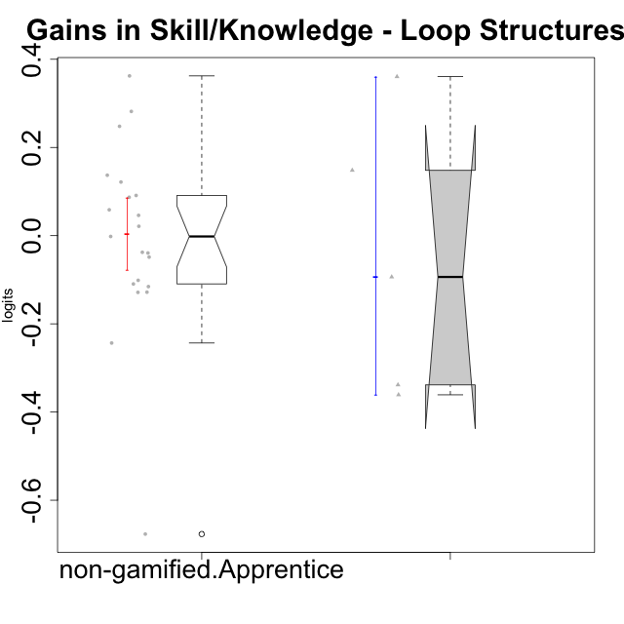

Wilcoxon data
UserID | NroUSP | Type | CLGroup | CLRole | PlayerRole | pre.theta | pos.theta | gain.theta
10169 | 10377538 | non-gamified | Grupo Team 10 | Apprentice |  | 0.010140602253 | -0.23333615123 | -0.24347675348
10170 | 10260351 | non-gamified | Grupo Team 6 | Apprentice |  | -0.03950203445 | -0.14904890037 | -0.10954686592
10172 | 10273971 | ont-gamified | Grupo Koil | Master | Yee Achiever | 0.051483775595 | 0.41201947957 | 0.36053570398
10174 | 10276852 | non-gamified | Grupo Team 1 | Apprentice |  | -0.13568774595 | -0.13753771604 | -0.00184997009
10176 | 10276949 | non-gamified | Grupo Team 9 | Apprentice |  | 0.013755848069 | -0.023957994035 | -0.037713842104
10178 | 8656201 | non-gamified | Grupo Team 11 | Apprentice |  | 0.0066848458349 | -0.094586231726 | -0.10127107756
10181 | 10276866 | non-gamified | Grupo Team 7 | Apprentice |  | -0.017948135061 | 0.028112152452 | 0.046060287513
10183 | 10352030 | non-gamified | Grupo Belos | Apprentice | Yee Socializer | -0.23736103801 | -0.11573650889 | 0.12162452912
10185 | 10276960 | ont-gamified | Grupo Tosskor | Master | Yee Achiever | 0.1515340595 | 0.29973832199 | 0.14820426249
10186 | 10310551 | non-gamified | Grupo Team 5 | Apprentice |  | -0.033543739879 | -0.16171630921 | -0.12817256933
10188 | 10276995 | ont-gamified | Grupo Paldira | Master | Yee Achiever | 0.34712828234 | -0.013833299367 | -0.36096158171
10189 | 9363926 | non-gamified | Grupo Team 2 | Apprentice |  | -0.10043341211 | -0.14904890037 | -0.048615488251
10190 | 10276907 | non-gamified | Grupo Team 8 | Apprentice |  | -0.0080691515383 | 0.050528387889 | 0.058597539427
10196 | 10310655 | non-gamified | Grupo Team 5 | Apprentice |  | -0.064669622954 | 0.072407195009 | 0.13707681796
10198 | 10310888 | non-gamified | Grupo Team 1 | Apprentice |  | -0.38699489116 | -0.024691939208 | 0.36230295195
10200 | 9795272 | non-gamified | Grupo Team 4 | Apprentice |  | -0.086737250916 | -0.2153466028 | -0.12860935188
10208 | 10276932 | ont-gamified | Grupo Yeka | Master | Yee Socializer | 0.23591414704 | 0.14225375346 | -0.093660393586
10215 | 9285227 | non-gamified | Grupo Team 7 | Apprentice |  | -0.10568783336 | 0.14225375346 | 0.24794158682
10217 | 9805341 | ont-gamified | Grupo Belos | Master | Yee Socializer | 0.41078489455 | 0.072407195009 | -0.33837769954
10218 | 9842913 | non-gamified | Grupo Team 10 | Apprentice |  | 0.52716015767 | -0.14960053779 | -0.67676069547
10220 | 9760151 | non-gamified | Grupo Team 4 | Apprentice |  | -0.13568774595 | 0.146054125 | 0.28174187095
10221 | 9082496 | non-gamified | Grupo Team 3 | Apprentice |  | -0.13568774595 | -0.25117082434 | -0.11548307839
10224 | 9368772 | non-gamified | Grupo Team 9 | Apprentice |  | 0.034769330517 | -0.0045543408235 | -0.039323671341
10227 | 9274382 | non-gamified | Grupo Team 2 | Apprentice |  | -0.060299494444 | 0.02677825477 | 0.087077749214
10232 | 10276974 | non-gamified | Grupo Team 3 | Apprentice |  | -0.13568774595 | -0.044549449523 | 0.091138296425
10240 | 10276654 | non-gamified | Grupo Team 8 | Apprentice |  | -0.10568783336 | -0.084434463854 | 0.021253369511

Type_CLRole_4
Wilcoxon Analysis for Gains in Skill/Knowledge - Loop Structures in Type:CLRole between non-gamified.Master:ont-gamified.Apprentice

Wilcoxon test results
Alternative hypothesis: less
Group | N | Median | Mean.Ranks | Sum.Ranks | U | Z | p.value | r | magnitude
non-gamified.Master | 8 | 0.00077174705875 | 10.625 | 85 | 49 | -0.47776654295 | 0.33211683397 | 0.10186016921 | small
ont-gamified.Apprentice | 14 | 0.044050758493 | 12 | 168 | 49 | -0.47776654295 | 0.33211683397 | 0.10186016921 | small
Alternative hypothesis: greater
Group | N | Median | Mean.Ranks | Sum.Ranks | U | Z | p.value | r | magnitude
non-gamified.Master | 8 | 0.00077174705875 | 10.625 | 85 | 49 | -0.47776654295 | 0.69182850174 | 0.10186016921 | small
ont-gamified.Apprentice | 14 | 0.044050758493 | 12 | 168 | 49 | -0.47776654295 | 0.69182850174 | 0.10186016921 | small
Alternative hypothesis: two.sided
Group | N | Median | Mean.Ranks | Sum.Ranks | U | Z | p.value | r | magnitude
non-gamified.Master | 8 | 0.00077174705875 | 10.625 | 85 | 49 | -0.47776654295 | 0.66423366795 | 0.10186016921 | small
ont-gamified.Apprentice | 14 | 0.044050758493 | 12 | 168 | 49 | -0.47776654295 | 0.66423366795 | 0.10186016921 | small

Box plots for wilcoxon tests
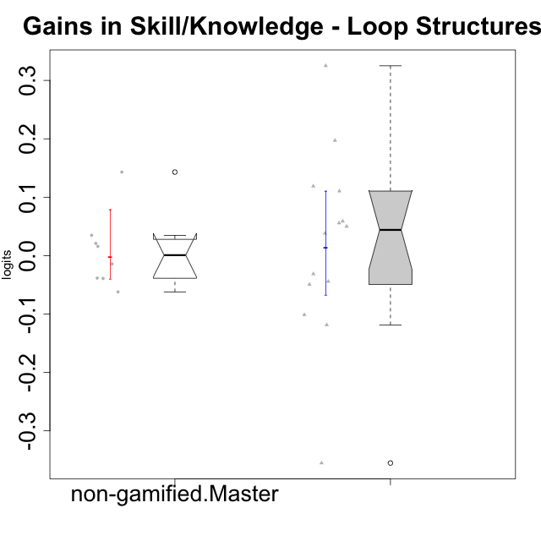

Wilcoxon data
UserID | NroUSP | Type | CLGroup | CLRole | PlayerRole | pre.theta | pos.theta | gain.theta
10175 | 10310700 | non-gamified | Grupo Team 6 | Master |  | 0.14402647817 | 0.28704464732 | 0.14301816915
10179 | 10310759 | ont-gamified | Grupo Tosskor | Apprentice | Yee Achiever | -0.0053016330579 | 0.050528387889 | 0.055830020947
10184 | 10276675 | non-gamified | Grupo Team 7 | Master |  | 0.051483775595 | 0.072407195009 | 0.020923419415
10187 | 9790781 | ont-gamified | Grupo Razorg | Apprentice | Yee Achiever | 0.010140602253 | -0.034008308862 | -0.044148911115
10192 | 10276682 | ont-gamified | Grupo Yeka | Apprentice | Yee Socializer | 0.0066848458349 | -0.094633896403 | -0.10131874224
10197 | 10276661 | non-gamified | Grupo Team 11 | Master |  | 0.013755848069 | -0.024691939208 | -0.038447787278
10201 | 10276928 | non-gamified | Grupo Team 10 | Master |  | 0.025626189032 | 0.060421043723 | 0.034794854691
10202 | 10277036 | ont-gamified | Grupo Paldira | Apprentice | Yee Achiever | -0.082655539814 | -0.044549449523 | 0.038106090291
10203 | 9921470 | ont-gamified | Grupo Paldira | Apprentice | Yee Achiever | -0.22706275507 | -0.58217797473 | -0.35511521965
10204 | 10310471 | non-gamified | Grupo Team 5 | Master |  | 0.12606411275 | 0.11180813551 | -0.014255977234
10206 | 10310721 | non-gamified | Grupo Team 9 | Master |  | 0.017520522031 | -0.044549449523 | -0.062069971555
10210 | 10277015 | ont-gamified | Grupo Losvakai | Apprentice | Yee Achiever | -0.064669622954 | -0.014674196259 | 0.049995426695
10212 | 9065750 | ont-gamified | Grupo Ellaru | Apprentice | Yee Socializer | 0.017520522031 | -0.013833299367 | -0.031353821399
10213 | 10277040 | non-gamified | Grupo Team 8 | Master |  | 0.10139343796 | 0.062276475451 | -0.039116962509
10214 | 10277022 | ont-gamified | Grupo Koil | Apprentice | Yee Achiever | 0.034769330517 | -0.014674196259 | -0.049443526777
10219 | 10276831 | ont-gamified | Grupo Razorg | Apprentice | Yee Achiever | -0.056612274291 | 0.062276475451 | 0.11888874974
10226 | 10310342 | ont-gamified | Grupo Yeka | Apprentice | Yee Socializer | -0.051092873279 | 0.146054125 | 0.19714699828
10228 | 10310492 | ont-gamified | Grupo Losvakai | Apprentice | Yee Achiever | -0.0080691515383 | -0.1266821515 | -0.11861299996
10230 | 10351992 | ont-gamified | Grupo Koil | Apprentice | Yee Achiever | 0.031744712177 | 0.14225375346 | 0.11050904128
10231 | 10276911 | non-gamified | Grupo Team 4 | Master |  | 0.23591414704 | 0.25171361839 | 0.015799471352
10237 | 10377688 | ont-gamified | Grupo Ellaru | Apprentice | Yee Socializer | -0.025279376516 | 0.29973832199 | 0.32501769851
10238 | 10276953 | ont-gamified | Grupo Belos | Apprentice | Yee Socializer | -0.019775431883 | 0.039160077898 | 0.058935509781

Type_CLRole_5
Wilcoxon Analysis for Gains in Skill/Knowledge - Loop Structures in Type:CLRole between non-gamified.Master:ont-gamified.Master

Wilcoxon test results
Alternative hypothesis: less
Group | N | Median | Mean.Ranks | Sum.Ranks | U | Z | p.value | r | magnitude
non-gamified.Master | 8 | 0.00077174705875 | 7.5 | 60 | 24 | 0.58554004377 | 0.73815073815 | 0.16239958859 | small
ont-gamified.Master | 5 | -0.093660393586 | 6.2 | 31 | 24 | 0.58554004377 | 0.73815073815 | 0.16239958859 | small
Alternative hypothesis: greater
Group | N | Median | Mean.Ranks | Sum.Ranks | U | Z | p.value | r | magnitude
non-gamified.Master | 8 | 0.00077174705875 | 7.5 | 60 | 24 | 0.58554004377 | 0.3108003108 | 0.16239958859 | small
ont-gamified.Master | 5 | -0.093660393586 | 6.2 | 31 | 24 | 0.58554004377 | 0.3108003108 | 0.16239958859 | small
Alternative hypothesis: two.sided
Group | N | Median | Mean.Ranks | Sum.Ranks | U | Z | p.value | r | magnitude
non-gamified.Master | 8 | 0.00077174705875 | 7.5 | 60 | 24 | 0.58554004377 | 0.6216006216 | 0.16239958859 | small
ont-gamified.Master | 5 | -0.093660393586 | 6.2 | 31 | 24 | 0.58554004377 | 0.6216006216 | 0.16239958859 | small

Box plots for wilcoxon tests
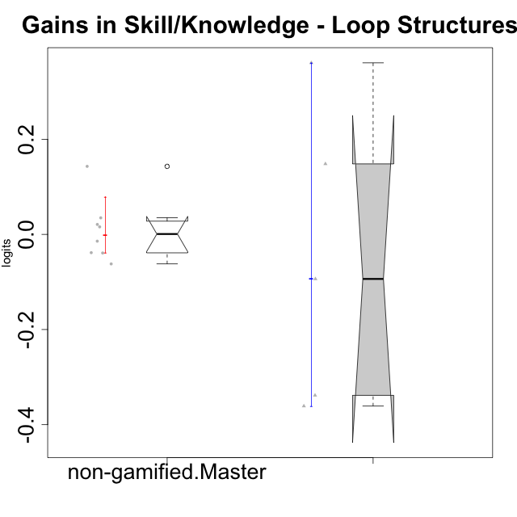

Wilcoxon data
UserID | NroUSP | Type | CLGroup | CLRole | PlayerRole | pre.theta | pos.theta | gain.theta
10172 | 10273971 | ont-gamified | Grupo Koil | Master | Yee Achiever | 0.051483775595 | 0.41201947957 | 0.36053570398
10175 | 10310700 | non-gamified | Grupo Team 6 | Master |  | 0.14402647817 | 0.28704464732 | 0.14301816915
10184 | 10276675 | non-gamified | Grupo Team 7 | Master |  | 0.051483775595 | 0.072407195009 | 0.020923419415
10185 | 10276960 | ont-gamified | Grupo Tosskor | Master | Yee Achiever | 0.1515340595 | 0.29973832199 | 0.14820426249
10188 | 10276995 | ont-gamified | Grupo Paldira | Master | Yee Achiever | 0.34712828234 | -0.013833299367 | -0.36096158171
10197 | 10276661 | non-gamified | Grupo Team 11 | Master |  | 0.013755848069 | -0.024691939208 | -0.038447787278
10201 | 10276928 | non-gamified | Grupo Team 10 | Master |  | 0.025626189032 | 0.060421043723 | 0.034794854691
10204 | 10310471 | non-gamified | Grupo Team 5 | Master |  | 0.12606411275 | 0.11180813551 | -0.014255977234
10206 | 10310721 | non-gamified | Grupo Team 9 | Master |  | 0.017520522031 | -0.044549449523 | -0.062069971555
10208 | 10276932 | ont-gamified | Grupo Yeka | Master | Yee Socializer | 0.23591414704 | 0.14225375346 | -0.093660393586
10213 | 10277040 | non-gamified | Grupo Team 8 | Master |  | 0.10139343796 | 0.062276475451 | -0.039116962509
10217 | 9805341 | ont-gamified | Grupo Belos | Master | Yee Socializer | 0.41078489455 | 0.072407195009 | -0.33837769954
10231 | 10276911 | non-gamified | Grupo Team 4 | Master |  | 0.23591414704 | 0.25171361839 | 0.015799471352

Type_CLRole_6
Wilcoxon Analysis for Gains in Skill/Knowledge - Loop Structures in Type:CLRole between ont-gamified.Apprentice:ont-gamified.Master

Wilcoxon test results
Alternative hypothesis: less
Group | N | Median | Mean.Ranks | Sum.Ranks | U | Z | p.value | r | magnitude
ont-gamified.Apprentice | 14 | 0.044050758493 | 10.357142857 | 145 | 40 | 0.46291004989 | 0.68919848641 | 0.10619884881 | small
ont-gamified.Master | 5 | -0.093660393586 | 9 | 45 | 40 | 0.46291004989 | 0.68919848641 | 0.10619884881 | small
Alternative hypothesis: greater
Group | N | Median | Mean.Ranks | Sum.Ranks | U | Z | p.value | r | magnitude
ont-gamified.Apprentice | 14 | 0.044050758493 | 10.357142857 | 145 | 40 | 0.46291004989 | 0.34339525284 | 0.10619884881 | small
ont-gamified.Master | 5 | -0.093660393586 | 9 | 45 | 40 | 0.46291004989 | 0.34339525284 | 0.10619884881 | small
Alternative hypothesis: two.sided
Group | N | Median | Mean.Ranks | Sum.Ranks | U | Z | p.value | r | magnitude
ont-gamified.Apprentice | 14 | 0.044050758493 | 10.357142857 | 145 | 40 | 0.46291004989 | 0.68679050568 | 0.10619884881 | small
ont-gamified.Master | 5 | -0.093660393586 | 9 | 45 | 40 | 0.46291004989 | 0.68679050568 | 0.10619884881 | small

Box plots for wilcoxon tests
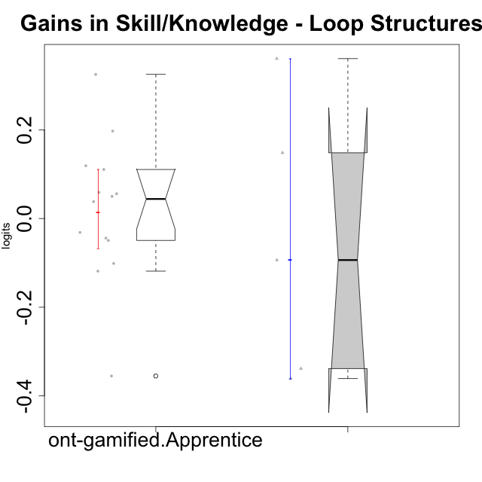

Wilcoxon data
UserID | NroUSP | Type | CLGroup | CLRole | PlayerRole | pre.theta | pos.theta | gain.theta
10172 | 10273971 | ont-gamified | Grupo Koil | Master | Yee Achiever | 0.051483775595 | 0.41201947957 | 0.36053570398
10179 | 10310759 | ont-gamified | Grupo Tosskor | Apprentice | Yee Achiever | -0.0053016330579 | 0.050528387889 | 0.055830020947
10185 | 10276960 | ont-gamified | Grupo Tosskor | Master | Yee Achiever | 0.1515340595 | 0.29973832199 | 0.14820426249
10187 | 9790781 | ont-gamified | Grupo Razorg | Apprentice | Yee Achiever | 0.010140602253 | -0.034008308862 | -0.044148911115
10188 | 10276995 | ont-gamified | Grupo Paldira | Master | Yee Achiever | 0.34712828234 | -0.013833299367 | -0.36096158171
10192 | 10276682 | ont-gamified | Grupo Yeka | Apprentice | Yee Socializer | 0.0066848458349 | -0.094633896403 | -0.10131874224
10202 | 10277036 | ont-gamified | Grupo Paldira | Apprentice | Yee Achiever | -0.082655539814 | -0.044549449523 | 0.038106090291
10203 | 9921470 | ont-gamified | Grupo Paldira | Apprentice | Yee Achiever | -0.22706275507 | -0.58217797473 | -0.35511521965
10208 | 10276932 | ont-gamified | Grupo Yeka | Master | Yee Socializer | 0.23591414704 | 0.14225375346 | -0.093660393586
10210 | 10277015 | ont-gamified | Grupo Losvakai | Apprentice | Yee Achiever | -0.064669622954 | -0.014674196259 | 0.049995426695
10212 | 9065750 | ont-gamified | Grupo Ellaru | Apprentice | Yee Socializer | 0.017520522031 | -0.013833299367 | -0.031353821399
10214 | 10277022 | ont-gamified | Grupo Koil | Apprentice | Yee Achiever | 0.034769330517 | -0.014674196259 | -0.049443526777
10217 | 9805341 | ont-gamified | Grupo Belos | Master | Yee Socializer | 0.41078489455 | 0.072407195009 | -0.33837769954
10219 | 10276831 | ont-gamified | Grupo Razorg | Apprentice | Yee Achiever | -0.056612274291 | 0.062276475451 | 0.11888874974
10226 | 10310342 | ont-gamified | Grupo Yeka | Apprentice | Yee Socializer | -0.051092873279 | 0.146054125 | 0.19714699828
10228 | 10310492 | ont-gamified | Grupo Losvakai | Apprentice | Yee Achiever | -0.0080691515383 | -0.1266821515 | -0.11861299996
10230 | 10351992 | ont-gamified | Grupo Koil | Apprentice | Yee Achiever | 0.031744712177 | 0.14225375346 | 0.11050904128
10237 | 10377688 | ont-gamified | Grupo Ellaru | Apprentice | Yee Socializer | -0.025279376516 | 0.29973832199 | 0.32501769851
10238 | 10276953 | ont-gamified | Grupo Belos | Apprentice | Yee Socializer | -0.019775431883 | 0.039160077898 | 0.058935509781

