Assumptions
ANOVA assumptions for Attention by Type

Shapiro-Wilk normality test for Attention by Type
W | p.value
0.98293082186 | 0.66850138307

Plots for normality test
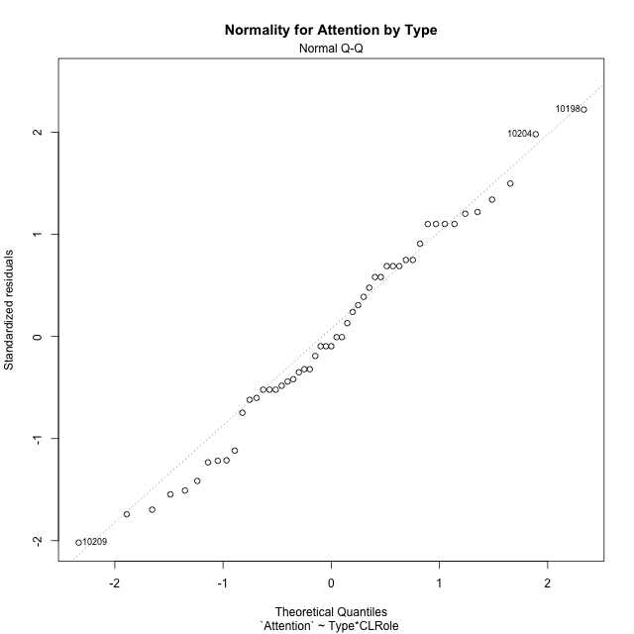

Levene's Test for Homogeneity of Variance in Attention by Type
Df | F value | Pr(>F)
3 | 1.3606837677 | 0.26631934207
47

Plots for homogeneity of variance
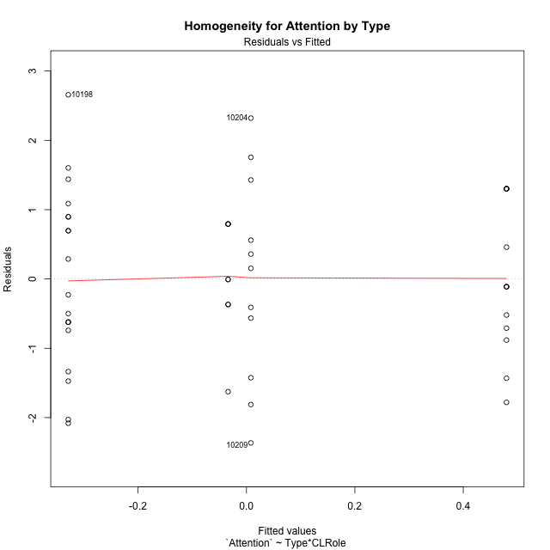

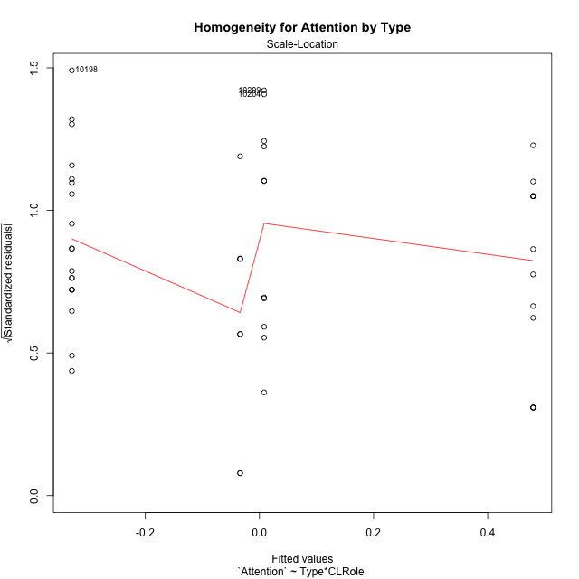

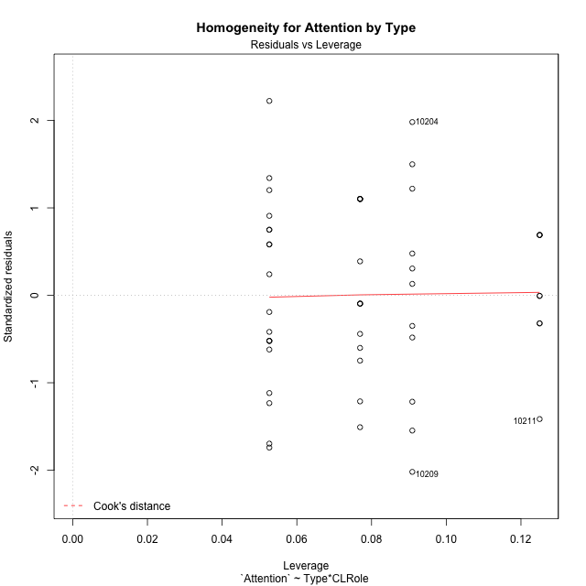

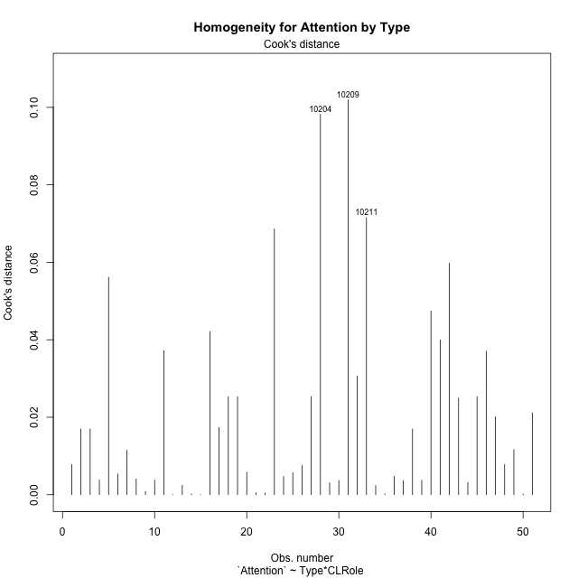

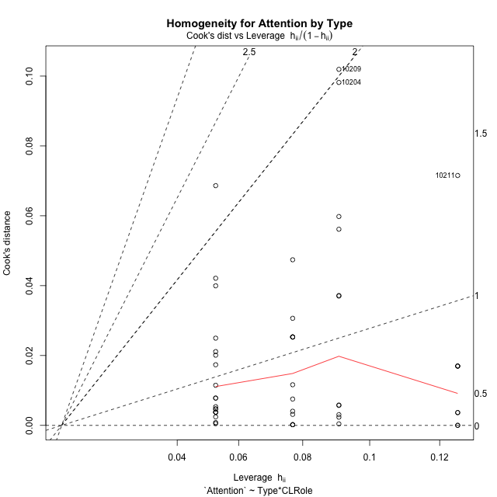

Minimum Sample Size Test for Attention by Type
Type | CLRole | Freq
non-gamified | Apprentice | 19
ont-gamified | Apprentice | 13
non-gamified | Master | 11
ont-gamified | Master | 8

Errors and Warnings in Sample Size Test for ANOVA in Attention by Type
code | description
WARN: sample.size | current size is 13 and recommended size is 15 for the group: 'ont-gamified:Apprentice'.
WARN: sample.size | current size is 11 and recommended size is 15 for the group: 'non-gamified:Master'.
WARN: sample.size | current size is 8 and recommended size is 15 for the group: 'ont-gamified:Master'.

For the group: 'non-gamified:Apprentice', you can perform a parametric test without having a normal distribution For the group: 'ont-gamified:Apprentice', we recommend the use of non-parametric test. For the group: 'non-gamified:Master', we recommend the use of non-parametric test. For the group: 'ont-gamified:Master', we recommend the use of non-parametric test.

If you don't want to remove non-normal data, you must cite the following references: ... (1) Lix, L.M., J.C. Keselman, and H.J. Keselman. 1996. Consequences of assumption violations revisited: A quantitative review of alternatives to the one-way analysis of variance F test. Rev. Educ. Res. 66: 579-619. ... (2) Harwell, M.R., E.N. Rubinstein, W.S. Hayes, and C.C. Olds. 1992. Summarizing Monte Carlo results in methodological research: the one- and two-factor fixed effects ANOVA cases. J. Educ. Stat. 17: 315-339.

Post-hoc
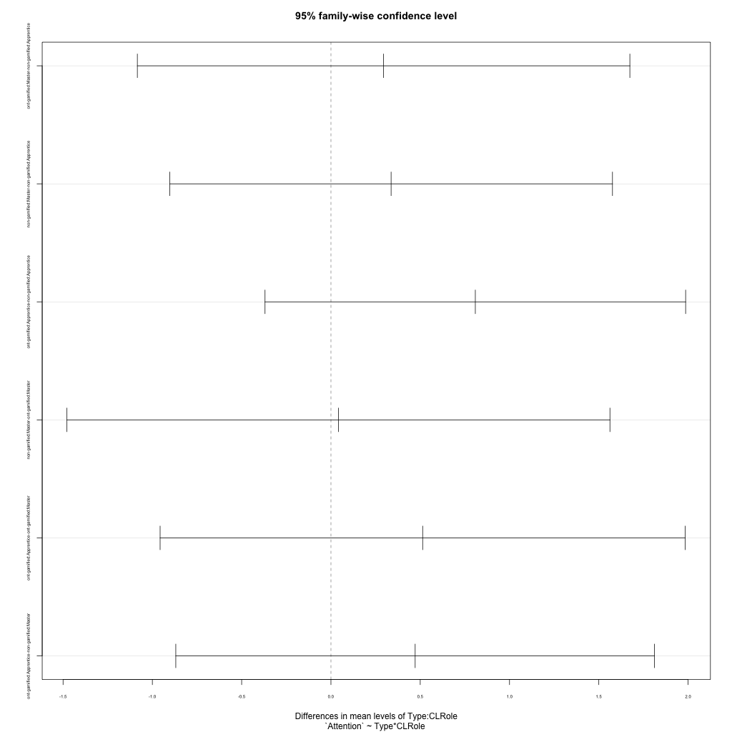
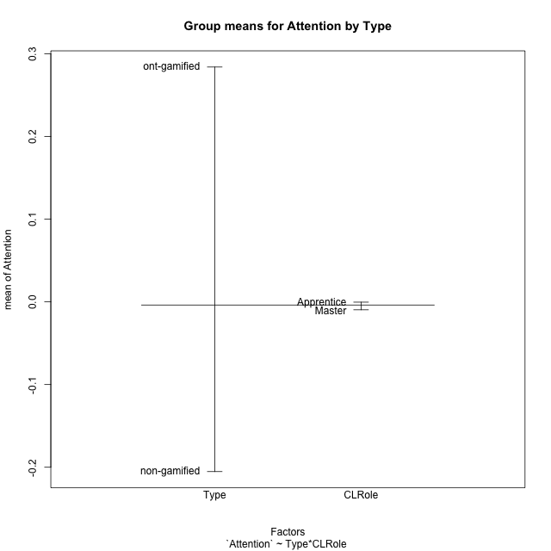
Post-hoc Tukey Honestly Significant Difference (HSD) Test for Attention by Type

Comparisons of means for Type
 | diff | lwr | upr | p adj
ont-gamified-non-gamified | 0.48933500053 | -0.2138121065 | 1.1924821076 | 0.16807614392

Comparisons of means for CLRole
 | diff | lwr | upr | p adj
Apprentice-Master | 0.016487329965 | -0.69926814608 | 0.73224280601 | 0.96323546694

Comparisons of means for Type:CLRole
 | diff | lwr | upr | p adj
ont-gamified:Master-non-gamified:Apprentice | 0.29490512047 | -1.0840627673 | 1.6738730082 | 0.94063004772
non-gamified:Master-non-gamified:Apprentice | 0.33691343922 | -0.90268650782 | 1.5765133863 | 0.88706514652
ont-gamified:Apprentice-non-gamified:Apprentice | 0.80854057919 | -0.36912119162 | 1.98620235 | 0.27304396054
non-gamified:Master-ont-gamified:Master | 0.042008318752 | -1.478292499 | 1.5623091365 | 0.99985488182
ont-gamified:Apprentice-ont-gamified:Master | 0.51363545872 | -0.95660050678 | 1.9838714242 | 0.788696707
ont-gamified:Apprentice-non-gamified:Master | 0.47162713997 | -0.86876436531 | 1.8120186452 | 0.78509920467

Contrast Matrices for Attention by Type - Type
contrast | estimate | SE | df | t.ratio | p.value
non-gamified - ont-gamified | -0.38326613022 | 0.36101950187 | 47 | -1.0616216804 | 0.29383229415

Contrast Matrices for Attention by Type - Type:CLRole
contrast | CLRole | estimate | SE | df | t.ratio | p.value
non-gamified - ont-gamified | Apprentice | -0.80854057919 | 0.44216659721 | 47 | -1.828588103 | 0.073811075061
non-gamified - ont-gamified | Master | 0.042008318752 | 0.57081435093 | 47 | 0.073593662603 | 0.94164603489

Least Squares Means and Confidence Intervals for Type
Type | lsmean | SE | df | lower.CL | upper.CL | Pairs
non-gamified | -0.16034341147 | 0.23271099736 | 47 | -0.62849755286 | 0.30781072991 | non-gamified
ont-gamified | 0.22292271875 | 0.27600846443 | 47 | -0.33233469128 | 0.77818012877 | ont-gamified

Least Squares Means and Confidence Intervals for Type:CLRole
Type | CLRole | lsmean | SE | df | lower.CL | upper.CL | Pairs
non-gamified | Apprentice | -0.32880013108 | 0.28182701343 | 47 | -0.89576295186 | 0.23816268969 | non-gamified.Apprentice
ont-gamified | Apprentice | 0.4797404481 | 0.34071224543 | 47 | -0.20568417956 | 1.1651650758 | ont-gamified.Apprentice
non-gamified | Master | 0.008113308138 | 0.37039326084 | 47 | -0.73702182071 | 0.75324843699 | non-gamified.Master
ont-gamified | Master | -0.033895010614 | 0.434324597 | 47 | -0.9076433985 | 0.83985337727 | ont-gamified.Master

Plots

Type_1
Student's t-Test for Attention by Type in Type between non-gamified:ont-gamified

Student's t-Test results
Alternative hypothesis: less
Group | N | Mean | Mean.Difference | Std.deviation | Std.error | CI.lower | CI.upper | df | t.value | p.value | g | magnitude
non-gamified | 30 | -0.20526520337 | -0.48933500053 | 1.3535541245 | 0.24712404226 | -0.69951328789 | 0.28898288115 | 48.834067368 | -1.4859956811 | 0.071854063951 | -0.39467048879 | small
ont-gamified | 21 | 0.28406979716 | 0.48933500053 | 0.99734684012 | 0.21763892328 | -0.1512080494 | 0.71934764373 | 48.834067368 | -1.4859956811 | 0.071854063951 | -0.39467048879 | small
Alternative hypothesis: greater
Group | N | Mean | Mean.Difference | Std.deviation | Std.error | CI.lower | CI.upper | df | t.value | p.value | g | magnitude
non-gamified | 30 | -0.20526520337 | -0.48933500053 | 1.3535541245 | 0.24712404226 | -0.69951328789 | 0.28898288115 | 48.834067368 | -1.4859956811 | 0.92814593605 | -0.39467048879 | small
ont-gamified | 21 | 0.28406979716 | 0.48933500053 | 0.99734684012 | 0.21763892328 | -0.1512080494 | 0.71934764373 | 48.834067368 | -1.4859956811 | 0.92814593605 | -0.39467048879 | small
Alternative hypothesis: two.sided
Group | N | Mean | Mean.Difference | Std.deviation | Std.error | CI.lower | CI.upper | df | t.value | p.value | g | magnitude
non-gamified | 30 | -0.20526520337 | -0.48933500053 | 1.3535541245 | 0.24712404226 | -0.69951328789 | 0.28898288115 | 48.834067368 | -1.4859956811 | 0.1437081279 | -0.39467048879 | small
ont-gamified | 21 | 0.28406979716 | 0.48933500053 | 0.99734684012 | 0.21763892328 | -0.1512080494 | 0.71934764373 | 48.834067368 | -1.4859956811 | 0.1437081279 | -0.39467048879 | small

Box plots for Student's t-Test
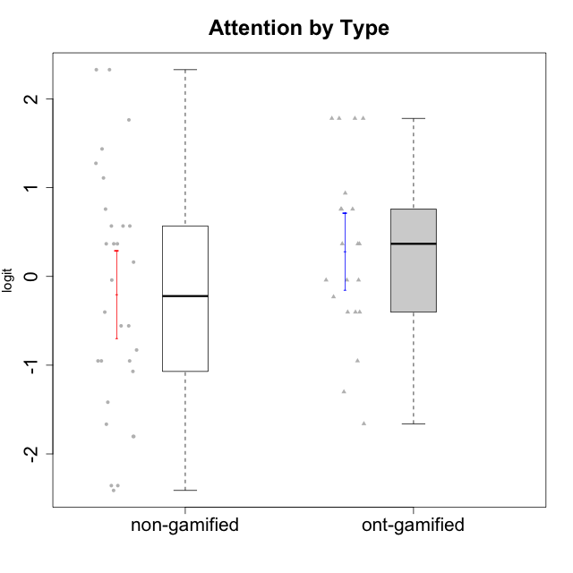

Student's t-Test data
UserID | NroUSP | Type | CLGroup | CLRole | PlayerRole | Attention | Relevance | Satisfaction | Level of Motivation
10170 | 10260351 | non-gamified | Grupo Team 6 | Apprentice |  | 0.56791534458 | 0.0060927837546 | -0.34834388206 | 0.22581106577
10171 | 698531 | ont-gamified | Grupo Losvakai | Master | Yee Achiever | 0.75834141366 | 0.86882627345 | 0.97757031778 | 0.80207969337
10172 | 10273971 | ont-gamified | Grupo Koil | Master | Yee Achiever | 0.75834141366 | 0.26531241963 | -0.64536976432 | 0.28775137943
10174 | 10276852 | non-gamified | Grupo Team 1 | Apprentice |  | -0.95190662712 | -1.0275471836 | -0.34834388206 | -0.62796477644
10175 | 10310700 | non-gamified | Grupo Team 6 | Master |  | 1.7635905586 | 0.71393730727 | 0.97757031778 | 1.318822225
10176 | 10276949 | non-gamified | Grupo Team 9 | Apprentice |  | -1.0701126677 | -1.0275471836 | -0.91044067076 | -0.83778010581
10178 | 8656201 | non-gamified | Grupo Team 11 | Apprentice |  | 0.75834141366 | -0.11445695422 | -0.01400110805 | 0.41300158693
10179 | 10310759 | ont-gamified | Grupo Tosskor | Apprentice | Yee Achiever | -0.040980812349 | 0.13158585268 | -0.01400110805 | 0.10344207128
10181 | 10276866 | non-gamified | Grupo Team 7 | Apprentice |  | -0.040980812349 | -0.35062750809 | -0.64536976432 | -0.24827805412
10183 | 10352030 | non-gamified | Grupo Belos | Apprentice | Yee Socializer | -0.95190662712 | -0.72635160685 | -0.34834388206 | -0.62796477644
10184 | 10276675 | non-gamified | Grupo Team 7 | Master |  | 1.4363694744 | 0.5788749914 | 0.97757031778 | 0.86997165345
10185 | 10276960 | ont-gamified | Grupo Tosskor | Master | Yee Achiever | -0.040980812349 | -0.11445695422 | -0.34834388206 | -0.13391230957
10186 | 10310551 | non-gamified | Grupo Team 5 | Apprentice |  | -0.82878035661 | 0.0060927837546 | 1.2916965628 | 0.043106696827
10187 | 9790781 | ont-gamified | Grupo Razorg | Apprentice | Yee Achiever | 0.36736393919 | -1.0617581335 | 0.33281250667 | -0.19146962765
10188 | 10276995 | ont-gamified | Grupo Paldira | Master | Yee Achiever | -0.040980812349 | 0.13158585268 | 0.33281250667 | 0.043106696827
10189 | 9363926 | non-gamified | Grupo Team 2 | Apprentice |  | -2.4111310769 | -1.0275471836 | -2.9542086999 | -1.6698143652
10190 | 10276907 | non-gamified | Grupo Team 8 | Apprentice |  | -1.6652611659 | -0.11445695422 | 1.6282329698 | -0.52206996204
10191 | 10276981 | ont-gamified | Grupo Yeka | Apprentice | Yee Socializer | 1.780532862 | 0.41195002581 | 1.3428958321 | 1.2368829222
10192 | 10276682 | ont-gamified | Grupo Yeka | Apprentice | Yee Socializer | 1.780532862 | 0.41195002581 | 1.3428958321 | 1.4041786884
10193 | 10276762 | non-gamified | Grupo Team 2 | Master |  | -0.55700708254 | -0.23262451137 | -1.4075878467 | -0.62796477644
10196 | 10310655 | non-gamified | Grupo Team 5 | Apprentice |  | -0.55700708254 | -0.86869778022 | -0.01400110805 | -0.46850406728
10197 | 10276661 | non-gamified | Grupo Team 11 | Master |  | 0.16133576622 | 0.0060927837546 | -0.01400110805 | 0.16436034601
10198 | 10310888 | non-gamified | Grupo Team 1 | Apprentice |  | 2.3291694522 | 0.77920928512 | 1.6282329698 | 1.4997134295
10200 | 9795272 | non-gamified | Grupo Team 4 | Apprentice |  | 0.36736393919 | -0.23262451137 | 0.97757031778 | 0.22581106577
10201 | 10276928 | non-gamified | Grupo Team 10 | Master |  | 0.56791534458 | 0.13158585268 | 1.6282329698 | 0.66951773914
10202 | 10277036 | ont-gamified | Grupo Paldira | Apprentice | Yee Achiever | -0.23023200857 | -0.72635160685 | -0.34834388206 | -0.24827805412
10203 | 9921470 | ont-gamified | Grupo Paldira | Apprentice | Yee Achiever | 1.780532862 | 1.19943677 | 1.3428958321 | 1.4041786884
10204 | 10310471 | non-gamified | Grupo Team 5 | Master |  | 2.3291694522 | 0.71393730727 | 2.0241758621 | 1.6373083794
10206 | 10310721 | non-gamified | Grupo Team 9 | Master |  | -0.40202239655 | -0.11445695422 | 0.33281250667 | 0.043106696827
10208 | 10276932 | ont-gamified | Grupo Yeka | Master | Yee Socializer | -0.40202239655 | -0.59491588194 | -0.64536976432 | -0.46850406728
10209 | 10262669 | non-gamified | Grupo Team 1 | Master |  | -2.3569124236 | -0.59491588194 | -1.4075878467 | -1.5453160244
10210 | 10277015 | ont-gamified | Grupo Losvakai | Apprentice | Yee Achiever | -0.95190662712 | -0.11445695422 | -0.64536976432 | -0.52206996204
10211 | 9311643 | ont-gamified | Grupo Razorg | Master | Yee Achiever | -1.6601779081 | -0.35062750809 | -1.7052408222 | -1.1666271317
10213 | 10277040 | non-gamified | Grupo Team 8 | Master |  | 0.36736393919 | 0.0060927837546 | 1.2916965628 | 0.35015187326
10214 | 10277022 | ont-gamified | Grupo Koil | Apprentice | Yee Achiever | 0.36736393919 | 0.41195002581 | -0.64536976432 | 0.16436034601
10215 | 9285227 | non-gamified | Grupo Team 7 | Apprentice |  | 0.36736393919 | 1.7045065859 | -0.01400110805 | 0.54012010769
10216 | 10276720 | ont-gamified | Grupo Ellaru | Master | Yee Socializer | -0.40202239655 | 0.0060927837546 | 0.33281250667 | -0.13391230957
10217 | 9805341 | ont-gamified | Grupo Belos | Master | Yee Socializer | 0.75834141366 | 0.41195002581 | 0.66323765493 | 0.54012010769
10218 | 9842913 | non-gamified | Grupo Team 10 | Apprentice |  | -0.95190662712 | 0.13158585268 | 0.66323765493 | -0.13391230957
10219 | 10276831 | ont-gamified | Grupo Razorg | Apprentice | Yee Achiever | -1.3006930783 | -1.0617581335 | -0.91044067076 | -1.0519310161
10220 | 9760151 | non-gamified | Grupo Team 4 | Apprentice |  | -2.3569124236 | 1.7045065859 | 1.6282329698 | -0.24827805412
10223 | 9795185 | non-gamified | Grupo Team 3 | Master |  | -1.8032427627 | -0.70175173976 | -1.6729496884 | -1.474714379
10224 | 9368772 | non-gamified | Grupo Team 9 | Apprentice |  | 1.2744728051 | 0.5788749914 | 1.2916965628 | 0.86997165345
10226 | 10310342 | ont-gamified | Grupo Yeka | Apprentice | Yee Socializer | 0.93823748285 | 0.77920928512 | 1.2916965628 | 0.93924298788
10230 | 10351992 | ont-gamified | Grupo Koil | Apprentice | Yee Achiever | 1.780532862 | 0.5788749914 | 0.97757031778 | 1.1585341734
10231 | 10276911 | non-gamified | Grupo Team 4 | Master |  | -1.4173134803 | 0.0060927837546 | 0.33281250667 | -0.57519175816
10232 | 10276974 | non-gamified | Grupo Team 3 | Apprentice |  | 1.1094035006 | 1.0404532106 | 1.2916965628 | 1.0101826974
10234 | 10310676 | non-gamified | Grupo Team 6 | Apprentice |  | 0.56791534458 | 0.13158585268 | -0.34834388206 | 0.10344207128
10237 | 10377688 | ont-gamified | Grupo Ellaru | Apprentice | Yee Socializer | -0.40202239655 | 0.5788749914 | -0.64536976432 | -0.07561268264
10238 | 10276953 | ont-gamified | Grupo Belos | Apprentice | Yee Socializer | 0.36736393919 | -0.35062750809 | 0.33281250667 | 0.10344207128
10240 | 10276654 | non-gamified | Grupo Team 8 | Apprentice |  | -1.8032427627 | -0.86869778022 | -2.3859873793 | -1.474714379

Type_CLRole_1
Student's t-Test for Attention by Type in Type:CLRole between non-gamified.Apprentice:non-gamified.Master

Student's t-Test results
Alternative hypothesis: less
Group | N | Mean | Mean.Difference | Std.deviation | Std.error | CI.lower | CI.upper | df | t.value | p.value | g | magnitude
non-gamified.Apprentice | 19 | -0.32880013108 | -0.33691343922 | 1.2903866293 | 0.29603499554 | -0.92087012215 | 0.26326985999 | 18.561337563 | -0.62456987855 | 0.26992777938 | -0.23976167335 | small
non-gamified.Master | 11 | 0.008113308138 | 0.33691343922 | 1.4956137718 | 0.4509445193 | -0.89377573046 | 0.91000234673 | 18.561337563 | -0.62456987855 | 0.26992777938 | -0.23976167335 | small
Alternative hypothesis: greater
Group | N | Mean | Mean.Difference | Std.deviation | Std.error | CI.lower | CI.upper | df | t.value | p.value | g | magnitude
non-gamified.Apprentice | 19 | -0.32880013108 | -0.33691343922 | 1.2903866293 | 0.29603499554 | -0.92087012215 | 0.26326985999 | 18.561337563 | -0.62456987855 | 0.73007222062 | -0.23976167335 | small
non-gamified.Master | 11 | 0.008113308138 | 0.33691343922 | 1.4956137718 | 0.4509445193 | -0.89377573046 | 0.91000234673 | 18.561337563 | -0.62456987855 | 0.73007222062 | -0.23976167335 | small
Alternative hypothesis: two.sided
Group | N | Mean | Mean.Difference | Std.deviation | Std.error | CI.lower | CI.upper | df | t.value | p.value | g | magnitude
non-gamified.Apprentice | 19 | -0.32880013108 | -0.33691343922 | 1.2903866293 | 0.29603499554 | -0.92087012215 | 0.26326985999 | 18.561337563 | -0.62456987855 | 0.53985555877 | -0.23976167335 | small
non-gamified.Master | 11 | 0.008113308138 | 0.33691343922 | 1.4956137718 | 0.4509445193 | -0.89377573046 | 0.91000234673 | 18.561337563 | -0.62456987855 | 0.53985555877 | -0.23976167335 | small

Box plots for Student's t-Test
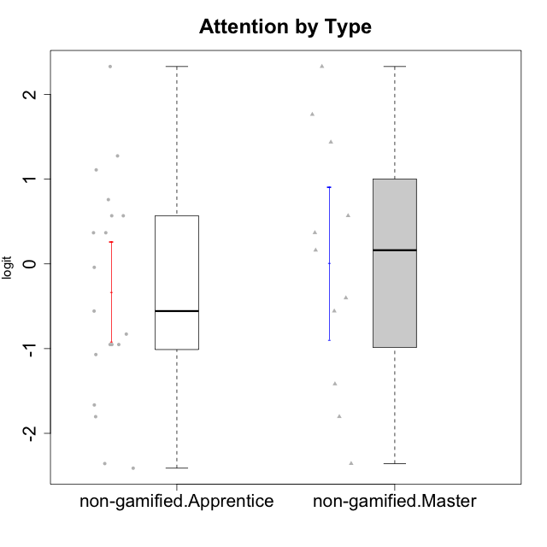

Student's t-Test data
UserID | NroUSP | Type | CLGroup | CLRole | PlayerRole | Attention | Relevance | Satisfaction | Level of Motivation
10170 | 10260351 | non-gamified | Grupo Team 6 | Apprentice |  | 0.56791534458 | 0.0060927837546 | -0.34834388206 | 0.22581106577
10174 | 10276852 | non-gamified | Grupo Team 1 | Apprentice |  | -0.95190662712 | -1.0275471836 | -0.34834388206 | -0.62796477644
10175 | 10310700 | non-gamified | Grupo Team 6 | Master |  | 1.7635905586 | 0.71393730727 | 0.97757031778 | 1.318822225
10176 | 10276949 | non-gamified | Grupo Team 9 | Apprentice |  | -1.0701126677 | -1.0275471836 | -0.91044067076 | -0.83778010581
10178 | 8656201 | non-gamified | Grupo Team 11 | Apprentice |  | 0.75834141366 | -0.11445695422 | -0.01400110805 | 0.41300158693
10181 | 10276866 | non-gamified | Grupo Team 7 | Apprentice |  | -0.040980812349 | -0.35062750809 | -0.64536976432 | -0.24827805412
10183 | 10352030 | non-gamified | Grupo Belos | Apprentice | Yee Socializer | -0.95190662712 | -0.72635160685 | -0.34834388206 | -0.62796477644
10184 | 10276675 | non-gamified | Grupo Team 7 | Master |  | 1.4363694744 | 0.5788749914 | 0.97757031778 | 0.86997165345
10186 | 10310551 | non-gamified | Grupo Team 5 | Apprentice |  | -0.82878035661 | 0.0060927837546 | 1.2916965628 | 0.043106696827
10189 | 9363926 | non-gamified | Grupo Team 2 | Apprentice |  | -2.4111310769 | -1.0275471836 | -2.9542086999 | -1.6698143652
10190 | 10276907 | non-gamified | Grupo Team 8 | Apprentice |  | -1.6652611659 | -0.11445695422 | 1.6282329698 | -0.52206996204
10193 | 10276762 | non-gamified | Grupo Team 2 | Master |  | -0.55700708254 | -0.23262451137 | -1.4075878467 | -0.62796477644
10196 | 10310655 | non-gamified | Grupo Team 5 | Apprentice |  | -0.55700708254 | -0.86869778022 | -0.01400110805 | -0.46850406728
10197 | 10276661 | non-gamified | Grupo Team 11 | Master |  | 0.16133576622 | 0.0060927837546 | -0.01400110805 | 0.16436034601
10198 | 10310888 | non-gamified | Grupo Team 1 | Apprentice |  | 2.3291694522 | 0.77920928512 | 1.6282329698 | 1.4997134295
10200 | 9795272 | non-gamified | Grupo Team 4 | Apprentice |  | 0.36736393919 | -0.23262451137 | 0.97757031778 | 0.22581106577
10201 | 10276928 | non-gamified | Grupo Team 10 | Master |  | 0.56791534458 | 0.13158585268 | 1.6282329698 | 0.66951773914
10204 | 10310471 | non-gamified | Grupo Team 5 | Master |  | 2.3291694522 | 0.71393730727 | 2.0241758621 | 1.6373083794
10206 | 10310721 | non-gamified | Grupo Team 9 | Master |  | -0.40202239655 | -0.11445695422 | 0.33281250667 | 0.043106696827
10209 | 10262669 | non-gamified | Grupo Team 1 | Master |  | -2.3569124236 | -0.59491588194 | -1.4075878467 | -1.5453160244
10213 | 10277040 | non-gamified | Grupo Team 8 | Master |  | 0.36736393919 | 0.0060927837546 | 1.2916965628 | 0.35015187326
10215 | 9285227 | non-gamified | Grupo Team 7 | Apprentice |  | 0.36736393919 | 1.7045065859 | -0.01400110805 | 0.54012010769
10218 | 9842913 | non-gamified | Grupo Team 10 | Apprentice |  | -0.95190662712 | 0.13158585268 | 0.66323765493 | -0.13391230957
10220 | 9760151 | non-gamified | Grupo Team 4 | Apprentice |  | -2.3569124236 | 1.7045065859 | 1.6282329698 | -0.24827805412
10223 | 9795185 | non-gamified | Grupo Team 3 | Master |  | -1.8032427627 | -0.70175173976 | -1.6729496884 | -1.474714379
10224 | 9368772 | non-gamified | Grupo Team 9 | Apprentice |  | 1.2744728051 | 0.5788749914 | 1.2916965628 | 0.86997165345
10231 | 10276911 | non-gamified | Grupo Team 4 | Master |  | -1.4173134803 | 0.0060927837546 | 0.33281250667 | -0.57519175816
10232 | 10276974 | non-gamified | Grupo Team 3 | Apprentice |  | 1.1094035006 | 1.0404532106 | 1.2916965628 | 1.0101826974
10234 | 10310676 | non-gamified | Grupo Team 6 | Apprentice |  | 0.56791534458 | 0.13158585268 | -0.34834388206 | 0.10344207128
10240 | 10276654 | non-gamified | Grupo Team 8 | Apprentice |  | -1.8032427627 | -0.86869778022 | -2.3859873793 | -1.474714379

Type_CLRole_2
Student's t-Test for Attention by Type in Type:CLRole between non-gamified.Apprentice:ont-gamified.Apprentice

Student's t-Test results
Alternative hypothesis: less
Group | N | Mean | Mean.Difference | Std.deviation | Std.error | CI.lower | CI.upper | df | t.value | p.value | g | magnitude
non-gamified.Apprentice | 19 | -0.32880013108 | -0.80854057919 | 1.2903866293 | 0.29603499554 | -0.92087012215 | 0.26326985999 | 28.75035282 | -1.9271443361 | 0.031947911005 | -0.6525787562 | medium
ont-gamified.Apprentice | 13 | 0.4797404481 | 0.80854057919 | 1.0719383809 | 0.29730221513 | -0.11486398215 | 1.0743448784 | 28.75035282 | -1.9271443361 | 0.031947911005 | -0.6525787562 | medium
Alternative hypothesis: greater
Group | N | Mean | Mean.Difference | Std.deviation | Std.error | CI.lower | CI.upper | df | t.value | p.value | g | magnitude
non-gamified.Apprentice | 19 | -0.32880013108 | -0.80854057919 | 1.2903866293 | 0.29603499554 | -0.92087012215 | 0.26326985999 | 28.75035282 | -1.9271443361 | 0.96805208899 | -0.6525787562 | medium
ont-gamified.Apprentice | 13 | 0.4797404481 | 0.80854057919 | 1.0719383809 | 0.29730221513 | -0.11486398215 | 1.0743448784 | 28.75035282 | -1.9271443361 | 0.96805208899 | -0.6525787562 | medium
Alternative hypothesis: two.sided
Group | N | Mean | Mean.Difference | Std.deviation | Std.error | CI.lower | CI.upper | df | t.value | p.value | g | magnitude
non-gamified.Apprentice | 19 | -0.32880013108 | -0.80854057919 | 1.2903866293 | 0.29603499554 | -0.92087012215 | 0.26326985999 | 28.75035282 | -1.9271443361 | 0.063895822011 | -0.6525787562 | medium
ont-gamified.Apprentice | 13 | 0.4797404481 | 0.80854057919 | 1.0719383809 | 0.29730221513 | -0.11486398215 | 1.0743448784 | 28.75035282 | -1.9271443361 | 0.063895822011 | -0.6525787562 | medium

Box plots for Student's t-Test
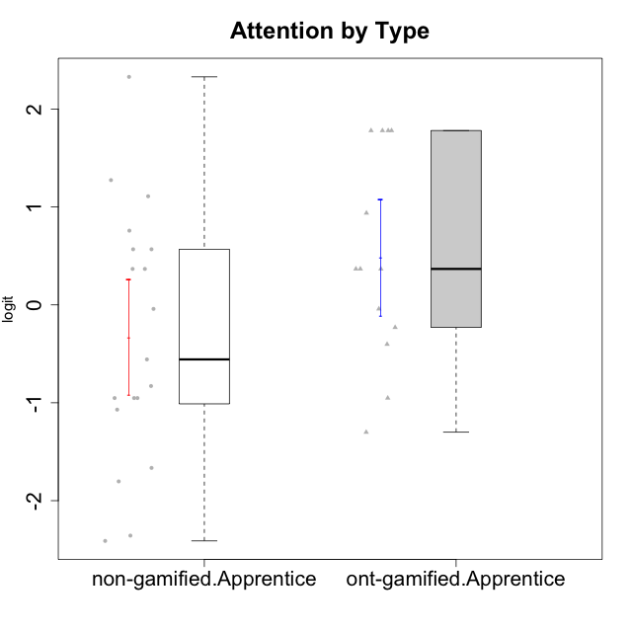

Student's t-Test data
UserID | NroUSP | Type | CLGroup | CLRole | PlayerRole | Attention | Relevance | Satisfaction | Level of Motivation
10170 | 10260351 | non-gamified | Grupo Team 6 | Apprentice |  | 0.56791534458 | 0.0060927837546 | -0.34834388206 | 0.22581106577
10174 | 10276852 | non-gamified | Grupo Team 1 | Apprentice |  | -0.95190662712 | -1.0275471836 | -0.34834388206 | -0.62796477644
10176 | 10276949 | non-gamified | Grupo Team 9 | Apprentice |  | -1.0701126677 | -1.0275471836 | -0.91044067076 | -0.83778010581
10178 | 8656201 | non-gamified | Grupo Team 11 | Apprentice |  | 0.75834141366 | -0.11445695422 | -0.01400110805 | 0.41300158693
10179 | 10310759 | ont-gamified | Grupo Tosskor | Apprentice | Yee Achiever | -0.040980812349 | 0.13158585268 | -0.01400110805 | 0.10344207128
10181 | 10276866 | non-gamified | Grupo Team 7 | Apprentice |  | -0.040980812349 | -0.35062750809 | -0.64536976432 | -0.24827805412
10183 | 10352030 | non-gamified | Grupo Belos | Apprentice | Yee Socializer | -0.95190662712 | -0.72635160685 | -0.34834388206 | -0.62796477644
10186 | 10310551 | non-gamified | Grupo Team 5 | Apprentice |  | -0.82878035661 | 0.0060927837546 | 1.2916965628 | 0.043106696827
10187 | 9790781 | ont-gamified | Grupo Razorg | Apprentice | Yee Achiever | 0.36736393919 | -1.0617581335 | 0.33281250667 | -0.19146962765
10189 | 9363926 | non-gamified | Grupo Team 2 | Apprentice |  | -2.4111310769 | -1.0275471836 | -2.9542086999 | -1.6698143652
10190 | 10276907 | non-gamified | Grupo Team 8 | Apprentice |  | -1.6652611659 | -0.11445695422 | 1.6282329698 | -0.52206996204
10191 | 10276981 | ont-gamified | Grupo Yeka | Apprentice | Yee Socializer | 1.780532862 | 0.41195002581 | 1.3428958321 | 1.2368829222
10192 | 10276682 | ont-gamified | Grupo Yeka | Apprentice | Yee Socializer | 1.780532862 | 0.41195002581 | 1.3428958321 | 1.4041786884
10196 | 10310655 | non-gamified | Grupo Team 5 | Apprentice |  | -0.55700708254 | -0.86869778022 | -0.01400110805 | -0.46850406728
10198 | 10310888 | non-gamified | Grupo Team 1 | Apprentice |  | 2.3291694522 | 0.77920928512 | 1.6282329698 | 1.4997134295
10200 | 9795272 | non-gamified | Grupo Team 4 | Apprentice |  | 0.36736393919 | -0.23262451137 | 0.97757031778 | 0.22581106577
10202 | 10277036 | ont-gamified | Grupo Paldira | Apprentice | Yee Achiever | -0.23023200857 | -0.72635160685 | -0.34834388206 | -0.24827805412
10203 | 9921470 | ont-gamified | Grupo Paldira | Apprentice | Yee Achiever | 1.780532862 | 1.19943677 | 1.3428958321 | 1.4041786884
10210 | 10277015 | ont-gamified | Grupo Losvakai | Apprentice | Yee Achiever | -0.95190662712 | -0.11445695422 | -0.64536976432 | -0.52206996204
10214 | 10277022 | ont-gamified | Grupo Koil | Apprentice | Yee Achiever | 0.36736393919 | 0.41195002581 | -0.64536976432 | 0.16436034601
10215 | 9285227 | non-gamified | Grupo Team 7 | Apprentice |  | 0.36736393919 | 1.7045065859 | -0.01400110805 | 0.54012010769
10218 | 9842913 | non-gamified | Grupo Team 10 | Apprentice |  | -0.95190662712 | 0.13158585268 | 0.66323765493 | -0.13391230957
10219 | 10276831 | ont-gamified | Grupo Razorg | Apprentice | Yee Achiever | -1.3006930783 | -1.0617581335 | -0.91044067076 | -1.0519310161
10220 | 9760151 | non-gamified | Grupo Team 4 | Apprentice |  | -2.3569124236 | 1.7045065859 | 1.6282329698 | -0.24827805412
10224 | 9368772 | non-gamified | Grupo Team 9 | Apprentice |  | 1.2744728051 | 0.5788749914 | 1.2916965628 | 0.86997165345
10226 | 10310342 | ont-gamified | Grupo Yeka | Apprentice | Yee Socializer | 0.93823748285 | 0.77920928512 | 1.2916965628 | 0.93924298788
10230 | 10351992 | ont-gamified | Grupo Koil | Apprentice | Yee Achiever | 1.780532862 | 0.5788749914 | 0.97757031778 | 1.1585341734
10232 | 10276974 | non-gamified | Grupo Team 3 | Apprentice |  | 1.1094035006 | 1.0404532106 | 1.2916965628 | 1.0101826974
10234 | 10310676 | non-gamified | Grupo Team 6 | Apprentice |  | 0.56791534458 | 0.13158585268 | -0.34834388206 | 0.10344207128
10237 | 10377688 | ont-gamified | Grupo Ellaru | Apprentice | Yee Socializer | -0.40202239655 | 0.5788749914 | -0.64536976432 | -0.07561268264
10238 | 10276953 | ont-gamified | Grupo Belos | Apprentice | Yee Socializer | 0.36736393919 | -0.35062750809 | 0.33281250667 | 0.10344207128
10240 | 10276654 | non-gamified | Grupo Team 8 | Apprentice |  | -1.8032427627 | -0.86869778022 | -2.3859873793 | -1.474714379

Type_CLRole_3
Student's t-Test for Attention by Type in Type:CLRole between non-gamified.Apprentice:ont-gamified.Master

Student's t-Test results
Alternative hypothesis: less
Group | N | Mean | Mean.Difference | Std.deviation | Std.error | CI.lower | CI.upper | df | t.value | p.value | g | magnitude
non-gamified.Apprentice | 19 | -0.32880013108 | -0.29490512047 | 1.2903866293 | 0.29603499554 | -0.92087012215 | 0.26326985999 | 20.358269528 | -0.70834512555 | 0.24338153802 | -0.24248352105 | small
ont-gamified.Master | 8 | -0.033895010614 | 0.29490512047 | 0.82797926822 | 0.29273487762 | -0.61936476585 | 0.55157474463 | 20.358269528 | -0.70834512555 | 0.24338153802 | -0.24248352105 | small
Alternative hypothesis: greater
Group | N | Mean | Mean.Difference | Std.deviation | Std.error | CI.lower | CI.upper | df | t.value | p.value | g | magnitude
non-gamified.Apprentice | 19 | -0.32880013108 | -0.29490512047 | 1.2903866293 | 0.29603499554 | -0.92087012215 | 0.26326985999 | 20.358269528 | -0.70834512555 | 0.75661846198 | -0.24248352105 | small
ont-gamified.Master | 8 | -0.033895010614 | 0.29490512047 | 0.82797926822 | 0.29273487762 | -0.61936476585 | 0.55157474463 | 20.358269528 | -0.70834512555 | 0.75661846198 | -0.24248352105 | small
Alternative hypothesis: two.sided
Group | N | Mean | Mean.Difference | Std.deviation | Std.error | CI.lower | CI.upper | df | t.value | p.value | g | magnitude
non-gamified.Apprentice | 19 | -0.32880013108 | -0.29490512047 | 1.2903866293 | 0.29603499554 | -0.92087012215 | 0.26326985999 | 20.358269528 | -0.70834512555 | 0.48676307604 | -0.24248352105 | small
ont-gamified.Master | 8 | -0.033895010614 | 0.29490512047 | 0.82797926822 | 0.29273487762 | -0.61936476585 | 0.55157474463 | 20.358269528 | -0.70834512555 | 0.48676307604 | -0.24248352105 | small

Box plots for Student's t-Test
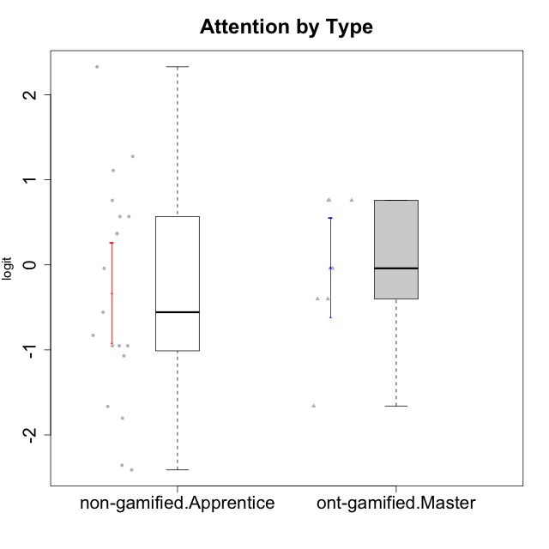

Student's t-Test data
UserID | NroUSP | Type | CLGroup | CLRole | PlayerRole | Attention | Relevance | Satisfaction | Level of Motivation
10170 | 10260351 | non-gamified | Grupo Team 6 | Apprentice |  | 0.56791534458 | 0.0060927837546 | -0.34834388206 | 0.22581106577
10171 | 698531 | ont-gamified | Grupo Losvakai | Master | Yee Achiever | 0.75834141366 | 0.86882627345 | 0.97757031778 | 0.80207969337
10172 | 10273971 | ont-gamified | Grupo Koil | Master | Yee Achiever | 0.75834141366 | 0.26531241963 | -0.64536976432 | 0.28775137943
10174 | 10276852 | non-gamified | Grupo Team 1 | Apprentice |  | -0.95190662712 | -1.0275471836 | -0.34834388206 | -0.62796477644
10176 | 10276949 | non-gamified | Grupo Team 9 | Apprentice |  | -1.0701126677 | -1.0275471836 | -0.91044067076 | -0.83778010581
10178 | 8656201 | non-gamified | Grupo Team 11 | Apprentice |  | 0.75834141366 | -0.11445695422 | -0.01400110805 | 0.41300158693
10181 | 10276866 | non-gamified | Grupo Team 7 | Apprentice |  | -0.040980812349 | -0.35062750809 | -0.64536976432 | -0.24827805412
10183 | 10352030 | non-gamified | Grupo Belos | Apprentice | Yee Socializer | -0.95190662712 | -0.72635160685 | -0.34834388206 | -0.62796477644
10185 | 10276960 | ont-gamified | Grupo Tosskor | Master | Yee Achiever | -0.040980812349 | -0.11445695422 | -0.34834388206 | -0.13391230957
10186 | 10310551 | non-gamified | Grupo Team 5 | Apprentice |  | -0.82878035661 | 0.0060927837546 | 1.2916965628 | 0.043106696827
10188 | 10276995 | ont-gamified | Grupo Paldira | Master | Yee Achiever | -0.040980812349 | 0.13158585268 | 0.33281250667 | 0.043106696827
10189 | 9363926 | non-gamified | Grupo Team 2 | Apprentice |  | -2.4111310769 | -1.0275471836 | -2.9542086999 | -1.6698143652
10190 | 10276907 | non-gamified | Grupo Team 8 | Apprentice |  | -1.6652611659 | -0.11445695422 | 1.6282329698 | -0.52206996204
10196 | 10310655 | non-gamified | Grupo Team 5 | Apprentice |  | -0.55700708254 | -0.86869778022 | -0.01400110805 | -0.46850406728
10198 | 10310888 | non-gamified | Grupo Team 1 | Apprentice |  | 2.3291694522 | 0.77920928512 | 1.6282329698 | 1.4997134295
10200 | 9795272 | non-gamified | Grupo Team 4 | Apprentice |  | 0.36736393919 | -0.23262451137 | 0.97757031778 | 0.22581106577
10208 | 10276932 | ont-gamified | Grupo Yeka | Master | Yee Socializer | -0.40202239655 | -0.59491588194 | -0.64536976432 | -0.46850406728
10211 | 9311643 | ont-gamified | Grupo Razorg | Master | Yee Achiever | -1.6601779081 | -0.35062750809 | -1.7052408222 | -1.1666271317
10215 | 9285227 | non-gamified | Grupo Team 7 | Apprentice |  | 0.36736393919 | 1.7045065859 | -0.01400110805 | 0.54012010769
10216 | 10276720 | ont-gamified | Grupo Ellaru | Master | Yee Socializer | -0.40202239655 | 0.0060927837546 | 0.33281250667 | -0.13391230957
10217 | 9805341 | ont-gamified | Grupo Belos | Master | Yee Socializer | 0.75834141366 | 0.41195002581 | 0.66323765493 | 0.54012010769
10218 | 9842913 | non-gamified | Grupo Team 10 | Apprentice |  | -0.95190662712 | 0.13158585268 | 0.66323765493 | -0.13391230957
10220 | 9760151 | non-gamified | Grupo Team 4 | Apprentice |  | -2.3569124236 | 1.7045065859 | 1.6282329698 | -0.24827805412
10224 | 9368772 | non-gamified | Grupo Team 9 | Apprentice |  | 1.2744728051 | 0.5788749914 | 1.2916965628 | 0.86997165345
10232 | 10276974 | non-gamified | Grupo Team 3 | Apprentice |  | 1.1094035006 | 1.0404532106 | 1.2916965628 | 1.0101826974
10234 | 10310676 | non-gamified | Grupo Team 6 | Apprentice |  | 0.56791534458 | 0.13158585268 | -0.34834388206 | 0.10344207128
10240 | 10276654 | non-gamified | Grupo Team 8 | Apprentice |  | -1.8032427627 | -0.86869778022 | -2.3859873793 | -1.474714379

Type_CLRole_4
Student's t-Test for Attention by Type in Type:CLRole between non-gamified.Master:ont-gamified.Apprentice

Student's t-Test results
Alternative hypothesis: less
Group | N | Mean | Mean.Difference | Std.deviation | Std.error | CI.lower | CI.upper | df | t.value | p.value | g | magnitude
non-gamified.Master | 11 | 0.008113308138 | -0.47162713997 | 1.4956137718 | 0.4509445193 | -0.89377573046 | 0.91000234673 | 17.782761791 | -0.87317465659 | 0.19710317395 | -0.35519970565 | small
ont-gamified.Apprentice | 13 | 0.4797404481 | 0.47162713997 | 1.0719383809 | 0.29730221513 | -0.11486398215 | 1.0743448784 | 17.782761791 | -0.87317465659 | 0.19710317395 | -0.35519970565 | small
Alternative hypothesis: greater
Group | N | Mean | Mean.Difference | Std.deviation | Std.error | CI.lower | CI.upper | df | t.value | p.value | g | magnitude
non-gamified.Master | 11 | 0.008113308138 | -0.47162713997 | 1.4956137718 | 0.4509445193 | -0.89377573046 | 0.91000234673 | 17.782761791 | -0.87317465659 | 0.80289682605 | -0.35519970565 | small
ont-gamified.Apprentice | 13 | 0.4797404481 | 0.47162713997 | 1.0719383809 | 0.29730221513 | -0.11486398215 | 1.0743448784 | 17.782761791 | -0.87317465659 | 0.80289682605 | -0.35519970565 | small
Alternative hypothesis: two.sided
Group | N | Mean | Mean.Difference | Std.deviation | Std.error | CI.lower | CI.upper | df | t.value | p.value | g | magnitude
non-gamified.Master | 11 | 0.008113308138 | -0.47162713997 | 1.4956137718 | 0.4509445193 | -0.89377573046 | 0.91000234673 | 17.782761791 | -0.87317465659 | 0.39420634789 | -0.35519970565 | small
ont-gamified.Apprentice | 13 | 0.4797404481 | 0.47162713997 | 1.0719383809 | 0.29730221513 | -0.11486398215 | 1.0743448784 | 17.782761791 | -0.87317465659 | 0.39420634789 | -0.35519970565 | small

Box plots for Student's t-Test
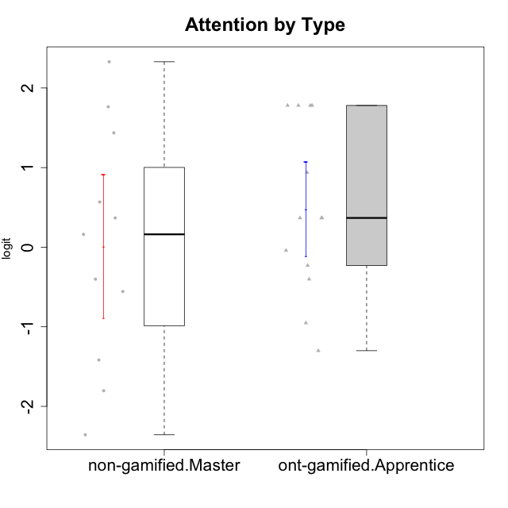

Student's t-Test data
UserID | NroUSP | Type | CLGroup | CLRole | PlayerRole | Attention | Relevance | Satisfaction | Level of Motivation
10175 | 10310700 | non-gamified | Grupo Team 6 | Master |  | 1.7635905586 | 0.71393730727 | 0.97757031778 | 1.318822225
10179 | 10310759 | ont-gamified | Grupo Tosskor | Apprentice | Yee Achiever | -0.040980812349 | 0.13158585268 | -0.01400110805 | 0.10344207128
10184 | 10276675 | non-gamified | Grupo Team 7 | Master |  | 1.4363694744 | 0.5788749914 | 0.97757031778 | 0.86997165345
10187 | 9790781 | ont-gamified | Grupo Razorg | Apprentice | Yee Achiever | 0.36736393919 | -1.0617581335 | 0.33281250667 | -0.19146962765
10191 | 10276981 | ont-gamified | Grupo Yeka | Apprentice | Yee Socializer | 1.780532862 | 0.41195002581 | 1.3428958321 | 1.2368829222
10192 | 10276682 | ont-gamified | Grupo Yeka | Apprentice | Yee Socializer | 1.780532862 | 0.41195002581 | 1.3428958321 | 1.4041786884
10193 | 10276762 | non-gamified | Grupo Team 2 | Master |  | -0.55700708254 | -0.23262451137 | -1.4075878467 | -0.62796477644
10197 | 10276661 | non-gamified | Grupo Team 11 | Master |  | 0.16133576622 | 0.0060927837546 | -0.01400110805 | 0.16436034601
10201 | 10276928 | non-gamified | Grupo Team 10 | Master |  | 0.56791534458 | 0.13158585268 | 1.6282329698 | 0.66951773914
10202 | 10277036 | ont-gamified | Grupo Paldira | Apprentice | Yee Achiever | -0.23023200857 | -0.72635160685 | -0.34834388206 | -0.24827805412
10203 | 9921470 | ont-gamified | Grupo Paldira | Apprentice | Yee Achiever | 1.780532862 | 1.19943677 | 1.3428958321 | 1.4041786884
10204 | 10310471 | non-gamified | Grupo Team 5 | Master |  | 2.3291694522 | 0.71393730727 | 2.0241758621 | 1.6373083794
10206 | 10310721 | non-gamified | Grupo Team 9 | Master |  | -0.40202239655 | -0.11445695422 | 0.33281250667 | 0.043106696827
10209 | 10262669 | non-gamified | Grupo Team 1 | Master |  | -2.3569124236 | -0.59491588194 | -1.4075878467 | -1.5453160244
10210 | 10277015 | ont-gamified | Grupo Losvakai | Apprentice | Yee Achiever | -0.95190662712 | -0.11445695422 | -0.64536976432 | -0.52206996204
10213 | 10277040 | non-gamified | Grupo Team 8 | Master |  | 0.36736393919 | 0.0060927837546 | 1.2916965628 | 0.35015187326
10214 | 10277022 | ont-gamified | Grupo Koil | Apprentice | Yee Achiever | 0.36736393919 | 0.41195002581 | -0.64536976432 | 0.16436034601
10219 | 10276831 | ont-gamified | Grupo Razorg | Apprentice | Yee Achiever | -1.3006930783 | -1.0617581335 | -0.91044067076 | -1.0519310161
10223 | 9795185 | non-gamified | Grupo Team 3 | Master |  | -1.8032427627 | -0.70175173976 | -1.6729496884 | -1.474714379
10226 | 10310342 | ont-gamified | Grupo Yeka | Apprentice | Yee Socializer | 0.93823748285 | 0.77920928512 | 1.2916965628 | 0.93924298788
10230 | 10351992 | ont-gamified | Grupo Koil | Apprentice | Yee Achiever | 1.780532862 | 0.5788749914 | 0.97757031778 | 1.1585341734
10231 | 10276911 | non-gamified | Grupo Team 4 | Master |  | -1.4173134803 | 0.0060927837546 | 0.33281250667 | -0.57519175816
10237 | 10377688 | ont-gamified | Grupo Ellaru | Apprentice | Yee Socializer | -0.40202239655 | 0.5788749914 | -0.64536976432 | -0.07561268264
10238 | 10276953 | ont-gamified | Grupo Belos | Apprentice | Yee Socializer | 0.36736393919 | -0.35062750809 | 0.33281250667 | 0.10344207128

Type_CLRole_5
Student's t-Test for Attention by Type in Type:CLRole between non-gamified.Master:ont-gamified.Master

Student's t-Test results
Alternative hypothesis: less
Group | N | Mean | Mean.Difference | Std.deviation | Std.error | CI.lower | CI.upper | df | t.value | p.value | g | magnitude
non-gamified.Master | 11 | 0.008113308138 | 0.042008318752 | 1.4956137718 | 0.4509445193 | -0.89377573046 | 0.91000234673 | 16.115600565 | 0.078136295907 | 0.53065920813 | 0.031742451787 | negligible
ont-gamified.Master | 8 | -0.033895010614 | -0.042008318752 | 0.82797926822 | 0.29273487762 | -0.61936476585 | 0.55157474463 | 16.115600565 | 0.078136295907 | 0.53065920813 | 0.031742451787 | negligible
Alternative hypothesis: greater
Group | N | Mean | Mean.Difference | Std.deviation | Std.error | CI.lower | CI.upper | df | t.value | p.value | g | magnitude
non-gamified.Master | 11 | 0.008113308138 | 0.042008318752 | 1.4956137718 | 0.4509445193 | -0.89377573046 | 0.91000234673 | 16.115600565 | 0.078136295907 | 0.46934079187 | 0.031742451787 | negligible
ont-gamified.Master | 8 | -0.033895010614 | -0.042008318752 | 0.82797926822 | 0.29273487762 | -0.61936476585 | 0.55157474463 | 16.115600565 | 0.078136295907 | 0.46934079187 | 0.031742451787 | negligible
Alternative hypothesis: two.sided
Group | N | Mean | Mean.Difference | Std.deviation | Std.error | CI.lower | CI.upper | df | t.value | p.value | g | magnitude
non-gamified.Master | 11 | 0.008113308138 | 0.042008318752 | 1.4956137718 | 0.4509445193 | -0.89377573046 | 0.91000234673 | 16.115600565 | 0.078136295907 | 0.93868158375 | 0.031742451787 | negligible
ont-gamified.Master | 8 | -0.033895010614 | -0.042008318752 | 0.82797926822 | 0.29273487762 | -0.61936476585 | 0.55157474463 | 16.115600565 | 0.078136295907 | 0.93868158375 | 0.031742451787 | negligible

Box plots for Student's t-Test
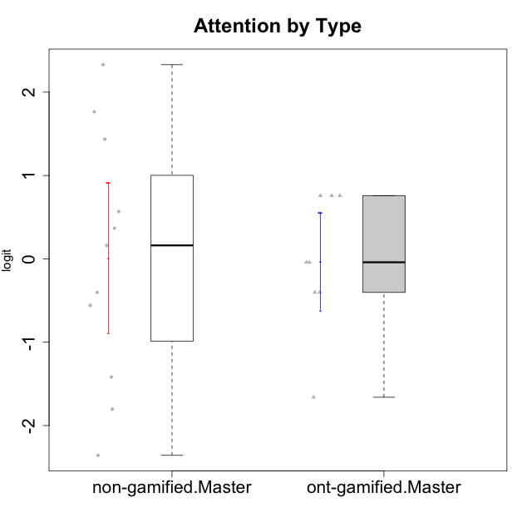

Student's t-Test data
UserID | NroUSP | Type | CLGroup | CLRole | PlayerRole | Attention | Relevance | Satisfaction | Level of Motivation
10171 | 698531 | ont-gamified | Grupo Losvakai | Master | Yee Achiever | 0.75834141366 | 0.86882627345 | 0.97757031778 | 0.80207969337
10172 | 10273971 | ont-gamified | Grupo Koil | Master | Yee Achiever | 0.75834141366 | 0.26531241963 | -0.64536976432 | 0.28775137943
10175 | 10310700 | non-gamified | Grupo Team 6 | Master |  | 1.7635905586 | 0.71393730727 | 0.97757031778 | 1.318822225
10184 | 10276675 | non-gamified | Grupo Team 7 | Master |  | 1.4363694744 | 0.5788749914 | 0.97757031778 | 0.86997165345
10185 | 10276960 | ont-gamified | Grupo Tosskor | Master | Yee Achiever | -0.040980812349 | -0.11445695422 | -0.34834388206 | -0.13391230957
10188 | 10276995 | ont-gamified | Grupo Paldira | Master | Yee Achiever | -0.040980812349 | 0.13158585268 | 0.33281250667 | 0.043106696827
10193 | 10276762 | non-gamified | Grupo Team 2 | Master |  | -0.55700708254 | -0.23262451137 | -1.4075878467 | -0.62796477644
10197 | 10276661 | non-gamified | Grupo Team 11 | Master |  | 0.16133576622 | 0.0060927837546 | -0.01400110805 | 0.16436034601
10201 | 10276928 | non-gamified | Grupo Team 10 | Master |  | 0.56791534458 | 0.13158585268 | 1.6282329698 | 0.66951773914
10204 | 10310471 | non-gamified | Grupo Team 5 | Master |  | 2.3291694522 | 0.71393730727 | 2.0241758621 | 1.6373083794
10206 | 10310721 | non-gamified | Grupo Team 9 | Master |  | -0.40202239655 | -0.11445695422 | 0.33281250667 | 0.043106696827
10208 | 10276932 | ont-gamified | Grupo Yeka | Master | Yee Socializer | -0.40202239655 | -0.59491588194 | -0.64536976432 | -0.46850406728
10209 | 10262669 | non-gamified | Grupo Team 1 | Master |  | -2.3569124236 | -0.59491588194 | -1.4075878467 | -1.5453160244
10211 | 9311643 | ont-gamified | Grupo Razorg | Master | Yee Achiever | -1.6601779081 | -0.35062750809 | -1.7052408222 | -1.1666271317
10213 | 10277040 | non-gamified | Grupo Team 8 | Master |  | 0.36736393919 | 0.0060927837546 | 1.2916965628 | 0.35015187326
10216 | 10276720 | ont-gamified | Grupo Ellaru | Master | Yee Socializer | -0.40202239655 | 0.0060927837546 | 0.33281250667 | -0.13391230957
10217 | 9805341 | ont-gamified | Grupo Belos | Master | Yee Socializer | 0.75834141366 | 0.41195002581 | 0.66323765493 | 0.54012010769
10223 | 9795185 | non-gamified | Grupo Team 3 | Master |  | -1.8032427627 | -0.70175173976 | -1.6729496884 | -1.474714379
10231 | 10276911 | non-gamified | Grupo Team 4 | Master |  | -1.4173134803 | 0.0060927837546 | 0.33281250667 | -0.57519175816

Type_CLRole_6
Student's t-Test for Attention by Type in Type:CLRole between ont-gamified.Apprentice:ont-gamified.Master

Student's t-Test results
Alternative hypothesis: less
Group | N | Mean | Mean.Difference | Std.deviation | Std.error | CI.lower | CI.upper | df | t.value | p.value | g | magnitude
ont-gamified.Apprentice | 13 | 0.4797404481 | 0.51363545872 | 1.0719383809 | 0.29730221513 | -0.11486398215 | 1.0743448784 | 17.825172612 | 1.2310556053 | 0.88285062082 | 0.49853182317 | small
ont-gamified.Master | 8 | -0.033895010614 | -0.51363545872 | 0.82797926822 | 0.29273487762 | -0.61936476585 | 0.55157474463 | 17.825172612 | 1.2310556053 | 0.88285062082 | 0.49853182317 | small
Alternative hypothesis: greater
Group | N | Mean | Mean.Difference | Std.deviation | Std.error | CI.lower | CI.upper | df | t.value | p.value | g | magnitude
ont-gamified.Apprentice | 13 | 0.4797404481 | 0.51363545872 | 1.0719383809 | 0.29730221513 | -0.11486398215 | 1.0743448784 | 17.825172612 | 1.2310556053 | 0.11714937918 | 0.49853182317 | small
ont-gamified.Master | 8 | -0.033895010614 | -0.51363545872 | 0.82797926822 | 0.29273487762 | -0.61936476585 | 0.55157474463 | 17.825172612 | 1.2310556053 | 0.11714937918 | 0.49853182317 | small
Alternative hypothesis: two.sided
Group | N | Mean | Mean.Difference | Std.deviation | Std.error | CI.lower | CI.upper | df | t.value | p.value | g | magnitude
ont-gamified.Apprentice | 13 | 0.4797404481 | 0.51363545872 | 1.0719383809 | 0.29730221513 | -0.11486398215 | 1.0743448784 | 17.825172612 | 1.2310556053 | 0.23429875835 | 0.49853182317 | small
ont-gamified.Master | 8 | -0.033895010614 | -0.51363545872 | 0.82797926822 | 0.29273487762 | -0.61936476585 | 0.55157474463 | 17.825172612 | 1.2310556053 | 0.23429875835 | 0.49853182317 | small

Box plots for Student's t-Test
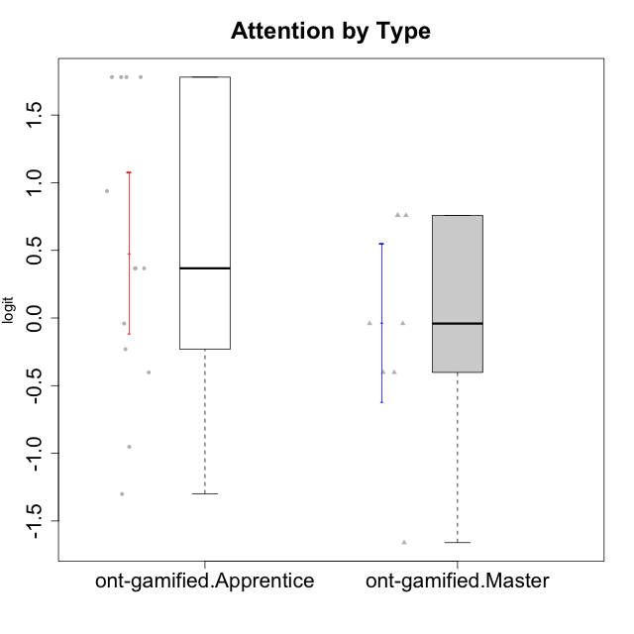

Student's t-Test data
UserID | NroUSP | Type | CLGroup | CLRole | PlayerRole | Attention | Relevance | Satisfaction | Level of Motivation
10171 | 698531 | ont-gamified | Grupo Losvakai | Master | Yee Achiever | 0.75834141366 | 0.86882627345 | 0.97757031778 | 0.80207969337
10172 | 10273971 | ont-gamified | Grupo Koil | Master | Yee Achiever | 0.75834141366 | 0.26531241963 | -0.64536976432 | 0.28775137943
10179 | 10310759 | ont-gamified | Grupo Tosskor | Apprentice | Yee Achiever | -0.040980812349 | 0.13158585268 | -0.01400110805 | 0.10344207128
10185 | 10276960 | ont-gamified | Grupo Tosskor | Master | Yee Achiever | -0.040980812349 | -0.11445695422 | -0.34834388206 | -0.13391230957
10187 | 9790781 | ont-gamified | Grupo Razorg | Apprentice | Yee Achiever | 0.36736393919 | -1.0617581335 | 0.33281250667 | -0.19146962765
10188 | 10276995 | ont-gamified | Grupo Paldira | Master | Yee Achiever | -0.040980812349 | 0.13158585268 | 0.33281250667 | 0.043106696827
10191 | 10276981 | ont-gamified | Grupo Yeka | Apprentice | Yee Socializer | 1.780532862 | 0.41195002581 | 1.3428958321 | 1.2368829222
10192 | 10276682 | ont-gamified | Grupo Yeka | Apprentice | Yee Socializer | 1.780532862 | 0.41195002581 | 1.3428958321 | 1.4041786884
10202 | 10277036 | ont-gamified | Grupo Paldira | Apprentice | Yee Achiever | -0.23023200857 | -0.72635160685 | -0.34834388206 | -0.24827805412
10203 | 9921470 | ont-gamified | Grupo Paldira | Apprentice | Yee Achiever | 1.780532862 | 1.19943677 | 1.3428958321 | 1.4041786884
10208 | 10276932 | ont-gamified | Grupo Yeka | Master | Yee Socializer | -0.40202239655 | -0.59491588194 | -0.64536976432 | -0.46850406728
10210 | 10277015 | ont-gamified | Grupo Losvakai | Apprentice | Yee Achiever | -0.95190662712 | -0.11445695422 | -0.64536976432 | -0.52206996204
10211 | 9311643 | ont-gamified | Grupo Razorg | Master | Yee Achiever | -1.6601779081 | -0.35062750809 | -1.7052408222 | -1.1666271317
10214 | 10277022 | ont-gamified | Grupo Koil | Apprentice | Yee Achiever | 0.36736393919 | 0.41195002581 | -0.64536976432 | 0.16436034601
10216 | 10276720 | ont-gamified | Grupo Ellaru | Master | Yee Socializer | -0.40202239655 | 0.0060927837546 | 0.33281250667 | -0.13391230957
10217 | 9805341 | ont-gamified | Grupo Belos | Master | Yee Socializer | 0.75834141366 | 0.41195002581 | 0.66323765493 | 0.54012010769
10219 | 10276831 | ont-gamified | Grupo Razorg | Apprentice | Yee Achiever | -1.3006930783 | -1.0617581335 | -0.91044067076 | -1.0519310161
10226 | 10310342 | ont-gamified | Grupo Yeka | Apprentice | Yee Socializer | 0.93823748285 | 0.77920928512 | 1.2916965628 | 0.93924298788
10230 | 10351992 | ont-gamified | Grupo Koil | Apprentice | Yee Achiever | 1.780532862 | 0.5788749914 | 0.97757031778 | 1.1585341734
10237 | 10377688 | ont-gamified | Grupo Ellaru | Apprentice | Yee Socializer | -0.40202239655 | 0.5788749914 | -0.64536976432 | -0.07561268264
10238 | 10276953 | ont-gamified | Grupo Belos | Apprentice | Yee Socializer | 0.36736393919 | -0.35062750809 | 0.33281250667 | 0.10344207128

