Assumptions
ANOVA assumptions for Attention by Type

Shapiro-Wilk normality test for Attention by Type
W | p.value
0.98029289526 | 0.46426675915

Plots for normality test
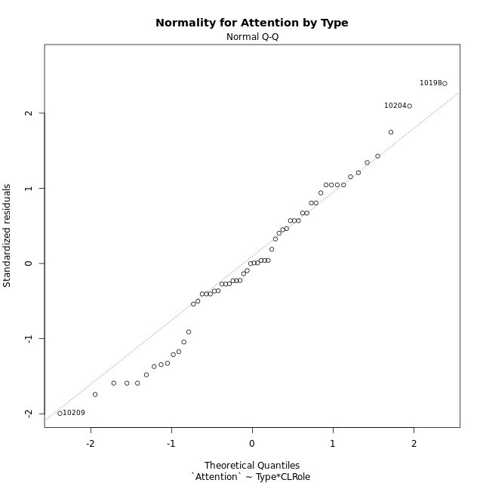

Levene's Test for Homogeneity of Variance in Attention by Type
Df | F value | Pr(>F)
3 | 2.6579731733 | 0.057431490197
54

Plots for homogeneity of variance
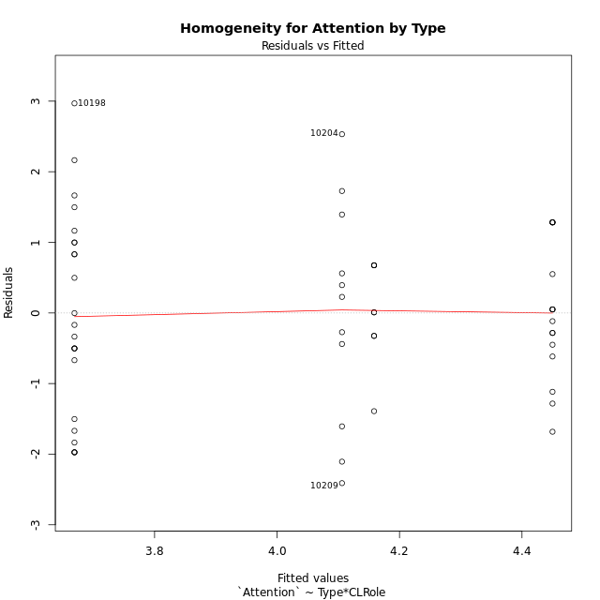

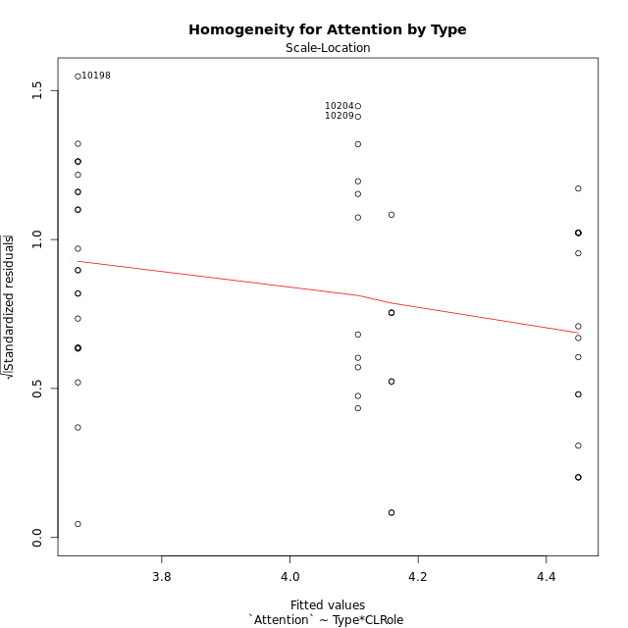

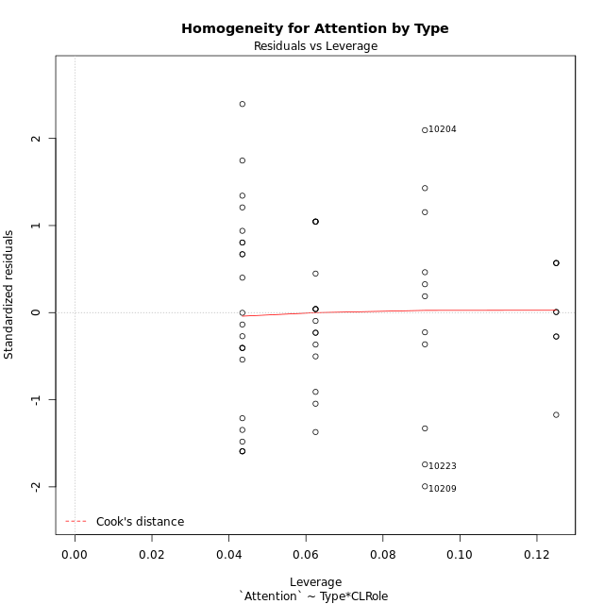

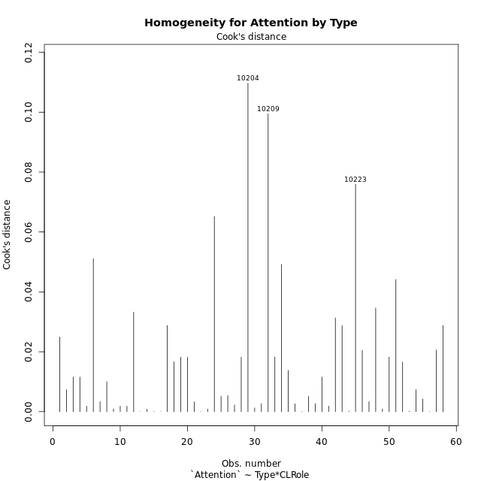

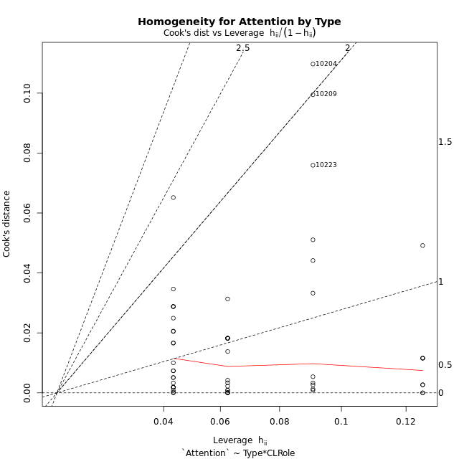

Minimum Sample Size Test for Attention by Type
Type | CLRole | Freq
non-gamified | Apprentice | 23
ont-gamified | Apprentice | 16
non-gamified | Master | 11
ont-gamified | Master | 8

Errors and Warnings in Sample Size Test for ANOVA in Attention by Type
code | description
WARN: sample.size | current size is 11 and recommended size is 15 for the group: 'non-gamified:Master'.
WARN: sample.size | current size is 8 and recommended size is 15 for the group: 'ont-gamified:Master'.

For the group: 'non-gamified:Apprentice', you can perform a parametric test without having a normal distribution For the group: 'ont-gamified:Apprentice', you can perform a parametric test without having a normal distribution For the group: 'non-gamified:Master', we recommend the use of non-parametric test. For the group: 'ont-gamified:Master', we recommend the use of non-parametric test.

If you don't want to remove non-normal data, you must cite the following references: ... (1) Lix, L.M., J.C. Keselman, and H.J. Keselman. 1996. Consequences of assumption violations revisited: A quantitative review of alternatives to the one-way analysis of variance F test. Rev. Educ. Res. 66: 579-619. ... (2) Harwell, M.R., E.N. Rubinstein, W.S. Hayes, and C.C. Olds. 1992. Summarizing Monte Carlo results in methodological research: the one- and two-factor fixed effects ANOVA cases. J. Educ. Stat. 17: 315-339.

Post-hoc
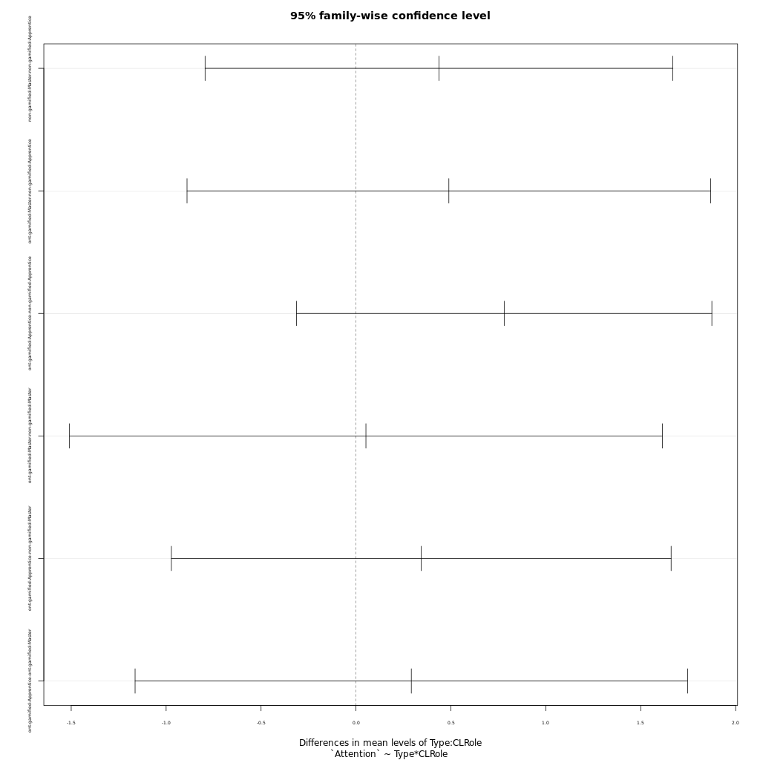
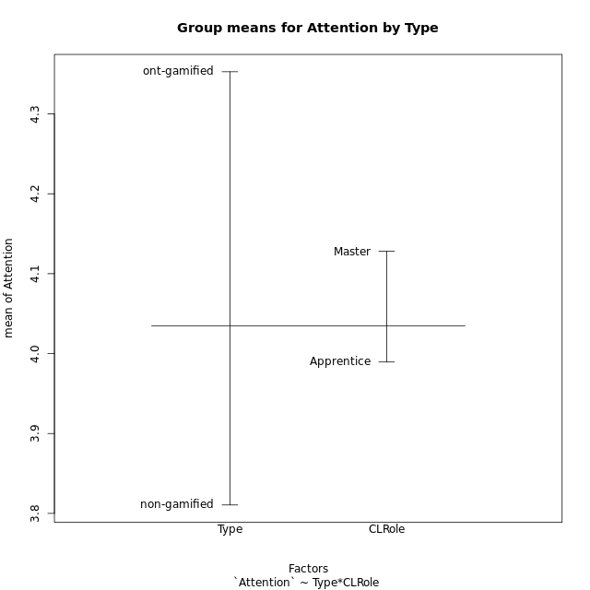
Post-hoc Tukey Honestly Significant Difference (HSD) Test for Attention by Type

Comparisons of means for Type
 | diff | lwr | upr | p adj
ont-gamified-non-gamified | 0.5421872549 | -0.13532912366 | 1.2197036335 | 0.11445512172

Comparisons of means for CLRole
 | diff | lwr | upr | p adj
Master-Apprentice | 0.13279024106 | -0.57818712283 | 0.84376760495 | 0.70953296537

Comparisons of means for Type:CLRole
 | diff | lwr | upr | p adj
non-gamified:Master-non-gamified:Apprentice | 0.43687220026 | -0.7949021799 | 1.6686465804 | 0.78340906807
ont-gamified:Master-non-gamified:Apprentice | 0.4892365942 | -0.88995278589 | 1.8684259743 | 0.78332452059
ont-gamified:Apprentice-non-gamified:Apprentice | 0.7806740942 | -0.31318243426 | 1.8745306227 | 0.24359264179
ont-gamified:Master-non-gamified:Master | 0.052364393939 | -1.5089394659 | 1.6136682538 | 0.99974489487
ont-gamified:Apprentice-non-gamified:Master | 0.34380189394 | -0.97226364448 | 1.6598674324 | 0.89952109034
ont-gamified:Apprentice-ont-gamified:Master | 0.2914375 | -1.1635276968 | 1.7464026968 | 0.95116480697

Contrast Matrices for Attention by Type - Type
contrast | estimate | SE | df | t.ratio | p.value
non-gamified - ont-gamified | -0.41651924407 | 0.35957096203 | 54 | -1.1583784233 | 0.25180708213

Contrast Matrices for Attention by Type - Type:CLRole
contrast | CLRole | estimate | SE | df | t.ratio | p.value
non-gamified - ont-gamified | Apprentice | -0.7806740942 | 0.41263973505 | 54 | -1.8919023736 | 0.063871208103
non-gamified - ont-gamified | Master | -0.052364393939 | 0.58897670243 | 54 | -0.088907411318 | 0.92948441501

Least Squares Means and Confidence Intervals for Type
Type | lsmean | SE | df | lower.CL | upper.CL | Pairs
non-gamified | 3.8876245059 | 0.23233351022 | 54 | 3.4218238633 | 4.3534251485 | non-gamified
ont-gamified | 4.30414375 | 0.27443107835 | 54 | 3.753942565 | 4.854344935 | ont-gamified

Least Squares Means and Confidence Intervals for Type:CLRole
Type | CLRole | lsmean | SE | df | lower.CL | upper.CL | Pairs
non-gamified | Apprentice | 3.6691884058 | 0.26430095584 | 54 | 3.1392968936 | 4.199079918 | non-gamified.Apprentice
ont-gamified | Apprentice | 4.4498625 | 0.31688571392 | 54 | 3.8145448954 | 5.0851801046 | ont-gamified.Apprentice
non-gamified | Master | 4.1060606061 | 0.38217855072 | 54 | 3.3398387453 | 4.8722824668 | non-gamified.Master
ont-gamified | Master | 4.158425 | 0.44814407434 | 54 | 3.2599502272 | 5.0568997728 | ont-gamified.Master

Plots

Type_1
Student's t-Test for Attention by Type in Type between non-gamified:ont-gamified

Student's t-Test results
Alternative hypothesis: less
Group | N | Mean | Mean.Difference | Std.deviation | Std.error | CI.lower | CI.upper | df | t.value | p.value | g | magnitude
non-gamified | 34 | 3.8105294118 | -0.5421872549 | 1.4698476618 | 0.25207679438 | 3.306375823 | 4.3146830005 | 54.560143365 | -1.7595281257 | 0.042046963094 | -0.42517054588 | small
ont-gamified | 24 | 4.3527166667 | 0.5421872549 | 0.86823602309 | 0.17722793607 | 3.9982607945 | 4.7071725388 | 54.560143365 | -1.7595281257 | 0.042046963094 | -0.42517054588 | small
Alternative hypothesis: greater
Group | N | Mean | Mean.Difference | Std.deviation | Std.error | CI.lower | CI.upper | df | t.value | p.value | g | magnitude
non-gamified | 34 | 3.8105294118 | -0.5421872549 | 1.4698476618 | 0.25207679438 | 3.306375823 | 4.3146830005 | 54.560143365 | -1.7595281257 | 0.95795303691 | -0.42517054588 | small
ont-gamified | 24 | 4.3527166667 | 0.5421872549 | 0.86823602309 | 0.17722793607 | 3.9982607945 | 4.7071725388 | 54.560143365 | -1.7595281257 | 0.95795303691 | -0.42517054588 | small
Alternative hypothesis: two.sided
Group | N | Mean | Mean.Difference | Std.deviation | Std.error | CI.lower | CI.upper | df | t.value | p.value | g | magnitude
non-gamified | 34 | 3.8105294118 | -0.5421872549 | 1.4698476618 | 0.25207679438 | 3.306375823 | 4.3146830005 | 54.560143365 | -1.7595281257 | 0.084093926188 | -0.42517054588 | small
ont-gamified | 24 | 4.3527166667 | 0.5421872549 | 0.86823602309 | 0.17722793607 | 3.9982607945 | 4.7071725388 | 54.560143365 | -1.7595281257 | 0.084093926188 | -0.42517054588 | small

Box plots for Student's t-Test
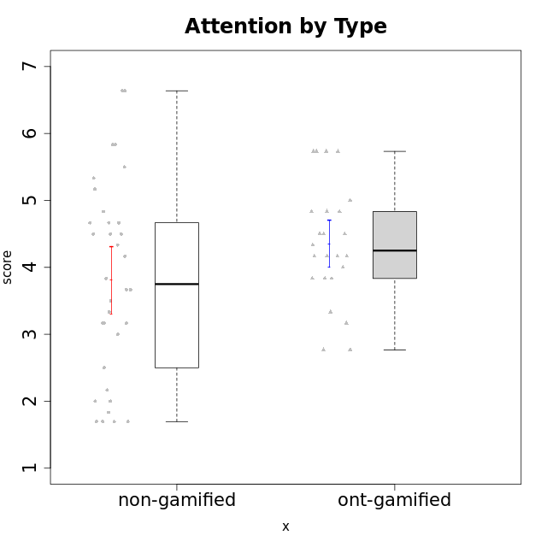

Student's t-Test data
UserID | NroUSP | Type | CLGroup | CLRole | PlayerRole | Attention | Relevance | Satisfaction | Level of Motivation
10169 | 10377538 | non-gamified | Grupo Team 10 | Apprentice |  | 1.8333333333 | 3.25 | 2 | 2.3076923077
10170 | 10260351 | non-gamified | Grupo Team 6 | Apprentice |  | 4.6666666667 | 5 | 4 | 4.6153846154
10171 | 698531 | ont-gamified | Grupo Losvakai | Master | Yee Achiever | 4.8333333333 | 6.6076 | 5.3333333333 | 5.5384615385
10172 | 10273971 | ont-gamified | Grupo Koil | Master | Yee Achiever | 4.8333333333 | 5.5 | 3.6666666667 | 4.7692307692
10174 | 10276852 | non-gamified | Grupo Team 1 | Apprentice |  | 3.1666666667 | 3 | 4 | 3.3076923077
10175 | 10310700 | non-gamified | Grupo Team 6 | Master |  | 5.8333333333 | 6.4826 | 5.3333333333 | 6.0769230769
10176 | 10276949 | non-gamified | Grupo Team 9 | Apprentice |  | 3 | 3 | 3.3333333333 | 3.0769230769
10178 | 8656201 | non-gamified | Grupo Team 11 | Apprentice |  | 4.8333333333 | 4.75 | 4.3333333333 | 4.6923076923
10179 | 10310759 | ont-gamified | Grupo Tosskor | Apprentice | Yee Achiever | 4.1666666667 | 5.25 | 4.3333333333 | 4.5384615385
10181 | 10276866 | non-gamified | Grupo Team 7 | Apprentice |  | 4.1666666667 | 4.25 | 3.6666666667 | 4.0769230769
10183 | 10352030 | non-gamified | Grupo Belos | Apprentice | Yee Socializer | 3.1666666667 | 3.5 | 4 | 3.4615384615
10184 | 10276675 | non-gamified | Grupo Team 7 | Master |  | 5.5 | 6 | 5.3333333333 | 5.6153846154
10185 | 10276960 | ont-gamified | Grupo Tosskor | Master | Yee Achiever | 4.1666666667 | 4.75 | 4 | 4.3076923077
10186 | 10310551 | non-gamified | Grupo Team 5 | Apprentice |  | 3.3333333333 | 5 | 5.6666666667 | 4.3846153846
10187 | 9790781 | ont-gamified | Grupo Razorg | Apprentice | Yee Achiever | 4.5 | 2.9011 | 4.6666666667 | 4
10188 | 10276995 | ont-gamified | Grupo Paldira | Master | Yee Achiever | 4.1666666667 | 5.25 | 4.6666666667 | 4.6153846154
10189 | 9363926 | non-gamified | Grupo Team 2 | Apprentice |  | 1.6956666667 | 3 | 1.3681333333 | 2.2177384615
10190 | 10276907 | non-gamified | Grupo Team 8 | Apprentice |  | 2.1666666667 | 4.75 | 6 | 3.8461538462
10191 | 10276981 | ont-gamified | Grupo Yeka | Apprentice | Yee Socializer | 5.7326 | 5.75 | 5.6492666667 | 5.9230769231
10192 | 10276682 | ont-gamified | Grupo Yeka | Apprentice | Yee Socializer | 5.7326 | 5.75 | 5.6492666667 | 6.3846153846
10193 | 10276762 | non-gamified | Grupo Team 2 | Master |  | 3.6666666667 | 4.5 | 2.6666666667 | 3.6923076923
10196 | 10310655 | non-gamified | Grupo Team 5 | Apprentice |  | 3.6666666667 | 3.25 | 4.3333333333 | 3.6923076923
10197 | 10276661 | non-gamified | Grupo Team 11 | Master |  | 4.3333333333 | 5 | 4.3333333333 | 4.5384615385
10198 | 10310888 | non-gamified | Grupo Team 1 | Apprentice |  | 6.6376666667 | 6.25 | 6 | 6.5384615385
10200 | 9795272 | non-gamified | Grupo Team 4 | Apprentice |  | 4.5 | 4.5 | 5.3333333333 | 4.6923076923
10201 | 10276928 | non-gamified | Grupo Team 10 | Master |  | 4.6666666667 | 5.25 | 6 | 5.1538461538
10202 | 10277036 | ont-gamified | Grupo Paldira | Apprentice | Yee Achiever | 4 | 3.5 | 4 | 3.8461538462
10203 | 9921470 | ont-gamified | Grupo Paldira | Apprentice | Yee Achiever | 5.7326 | 7 | 5.6492666667 | 6.5143692308
10204 | 10310471 | non-gamified | Grupo Team 5 | Master |  | 6.6376666667 | 6.25 | 6.3333333333 | 6.5384615385
10206 | 10310721 | non-gamified | Grupo Team 9 | Master |  | 3.8333333333 | 4.75 | 4.6666666667 | 4.3076923077
10208 | 10276932 | ont-gamified | Grupo Yeka | Master | Yee Socializer | 3.8333333333 | 3.75 | 3.6666666667 | 3.7692307692
10209 | 10262669 | non-gamified | Grupo Team 1 | Master |  | 1.6956666667 | 3.75 | 2.6666666667 | 2.4615384615
10210 | 10277015 | ont-gamified | Grupo Losvakai | Apprentice | Yee Achiever | 3.1666666667 | 4.75 | 3.6666666667 | 3.7692307692
10211 | 9311643 | ont-gamified | Grupo Razorg | Master | Yee Achiever | 2.7674 | 4.25 | 2.6840666667 | 3.1314461538
10212 | 9065750 | ont-gamified | Grupo Ellaru | Apprentice | Yee Socializer | 3.3333333333 | 5 | 3 | 3.7692307692
10213 | 10277040 | non-gamified | Grupo Team 8 | Master |  | 4.5 | 5 | 5.6666666667 | 4.9230769231
10214 | 10277022 | ont-gamified | Grupo Koil | Apprentice | Yee Achiever | 4.5 | 5.75 | 3.6666666667 | 4.6923076923
10215 | 9285227 | non-gamified | Grupo Team 7 | Apprentice |  | 4.5 | 7 | 4.3333333333 | 5.2307692308
10216 | 10276720 | ont-gamified | Grupo Ellaru | Master | Yee Socializer | 3.8333333333 | 5 | 4.6666666667 | 4.3846153846
10217 | 9805341 | ont-gamified | Grupo Belos | Master | Yee Socializer | 4.8333333333 | 5.75 | 5 | 5.1538461538
10218 | 9842913 | non-gamified | Grupo Team 10 | Apprentice |  | 3.1666666667 | 5.25 | 5 | 4.2307692308
10219 | 10276831 | ont-gamified | Grupo Razorg | Apprentice | Yee Achiever | 2.7674 | 2.9011 | 3.3333333333 | 2.8461538462
10220 | 9760151 | non-gamified | Grupo Team 4 | Apprentice |  | 1.6956666667 | 7 | 6 | 4.2307692308
10221 | 9082496 | non-gamified | Grupo Team 3 | Apprentice |  | 3.5 | 3.5 | 2.6666666667 | 3.3076923077
10223 | 9795185 | non-gamified | Grupo Team 3 | Master |  | 2 | 3.5174 | 2.3333333333 | 2.3076923077
10224 | 9368772 | non-gamified | Grupo Team 9 | Apprentice |  | 5.3333333333 | 6 | 5.6666666667 | 5.6153846154
10226 | 10310342 | ont-gamified | Grupo Yeka | Apprentice | Yee Socializer | 5 | 6.25 | 5.6492666667 | 5.5384615385
10227 | 9274382 | non-gamified | Grupo Team 2 | Apprentice |  | 5.8333333333 | 6 | 5.6666666667 | 5.8461538462
10228 | 10310492 | ont-gamified | Grupo Losvakai | Apprentice | Yee Achiever | 4.1666666667 | 4.75 | 4 | 4.3076923077
10230 | 10351992 | ont-gamified | Grupo Koil | Apprentice | Yee Achiever | 5.7326 | 6 | 5.3333333333 | 5.9230769231
10231 | 10276911 | non-gamified | Grupo Team 4 | Master |  | 2.5 | 5 | 4.6666666667 | 3.7692307692
10232 | 10276974 | non-gamified | Grupo Team 3 | Apprentice |  | 5.1666666667 | 6.5 | 5.6666666667 | 5.6923076923
10233 | 9805320 | ont-gamified | Grupo Tosskor | Apprentice | Yee Achiever | 4.3333333333 | 3 | 2.6840666667 | 3.2307692308
10234 | 10310676 | non-gamified | Grupo Team 6 | Apprentice |  | 4.6666666667 | 5.25 | 4 | 4.6923076923
10237 | 10377688 | ont-gamified | Grupo Ellaru | Apprentice | Yee Socializer | 3.8333333333 | 6 | 3.6666666667 | 4.4615384615
10238 | 10276953 | ont-gamified | Grupo Belos | Apprentice | Yee Socializer | 4.5 | 4.25 | 4.6666666667 | 4.4615384615
10240 | 10276654 | non-gamified | Grupo Team 8 | Apprentice |  | 2 | 3.25 | 1.6666666667 | 2.3076923077
10242 | 9424506 | non-gamified | Grupo Team 11 | Apprentice |  | 1.6956666667 | 3 | 1.3681333333 | 2.2177384615

Type_CLRole_1
Student's t-Test for Attention by Type in Type:CLRole between non-gamified.Apprentice:non-gamified.Master

Student's t-Test results
Alternative hypothesis: less
Group | N | Mean | Mean.Difference | Std.deviation | Std.error | CI.lower | CI.upper | df | t.value | p.value | g | magnitude
non-gamified.Apprentice | 23 | 3.6691884058 | -0.43687220026 | 1.4290120902 | 0.29796961866 | 3.0732491685 | 4.2651276431 | 18.10071134 | -0.77765866393 | 0.22340808718 | -0.28866047997 | small
non-gamified.Master | 11 | 4.1060606061 | 0.43687220026 | 1.5795270095 | 0.47624531243 | 3.1535699812 | 5.0585512309 | 18.10071134 | -0.77765866393 | 0.22340808718 | -0.28866047997 | small
Alternative hypothesis: greater
Group | N | Mean | Mean.Difference | Std.deviation | Std.error | CI.lower | CI.upper | df | t.value | p.value | g | magnitude
non-gamified.Apprentice | 23 | 3.6691884058 | -0.43687220026 | 1.4290120902 | 0.29796961866 | 3.0732491685 | 4.2651276431 | 18.10071134 | -0.77765866393 | 0.77659191282 | -0.28866047997 | small
non-gamified.Master | 11 | 4.1060606061 | 0.43687220026 | 1.5795270095 | 0.47624531243 | 3.1535699812 | 5.0585512309 | 18.10071134 | -0.77765866393 | 0.77659191282 | -0.28866047997 | small
Alternative hypothesis: two.sided
Group | N | Mean | Mean.Difference | Std.deviation | Std.error | CI.lower | CI.upper | df | t.value | p.value | g | magnitude
non-gamified.Apprentice | 23 | 3.6691884058 | -0.43687220026 | 1.4290120902 | 0.29796961866 | 3.0732491685 | 4.2651276431 | 18.10071134 | -0.77765866393 | 0.44681617437 | -0.28866047997 | small
non-gamified.Master | 11 | 4.1060606061 | 0.43687220026 | 1.5795270095 | 0.47624531243 | 3.1535699812 | 5.0585512309 | 18.10071134 | -0.77765866393 | 0.44681617437 | -0.28866047997 | small

Box plots for Student's t-Test
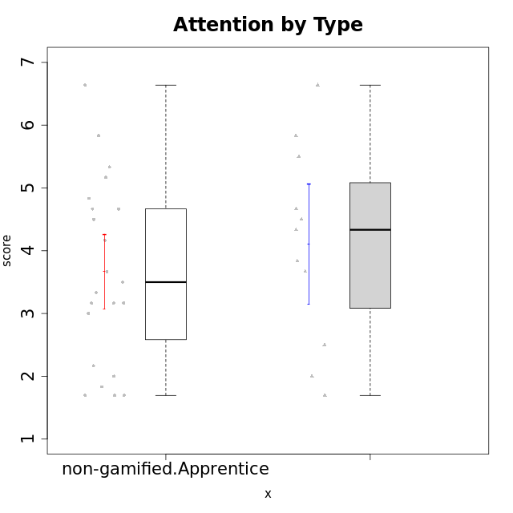

Student's t-Test data
UserID | NroUSP | Type | CLGroup | CLRole | PlayerRole | Attention | Relevance | Satisfaction | Level of Motivation
10169 | 10377538 | non-gamified | Grupo Team 10 | Apprentice |  | 1.8333333333 | 3.25 | 2 | 2.3076923077
10170 | 10260351 | non-gamified | Grupo Team 6 | Apprentice |  | 4.6666666667 | 5 | 4 | 4.6153846154
10174 | 10276852 | non-gamified | Grupo Team 1 | Apprentice |  | 3.1666666667 | 3 | 4 | 3.3076923077
10175 | 10310700 | non-gamified | Grupo Team 6 | Master |  | 5.8333333333 | 6.4826 | 5.3333333333 | 6.0769230769
10176 | 10276949 | non-gamified | Grupo Team 9 | Apprentice |  | 3 | 3 | 3.3333333333 | 3.0769230769
10178 | 8656201 | non-gamified | Grupo Team 11 | Apprentice |  | 4.8333333333 | 4.75 | 4.3333333333 | 4.6923076923
10181 | 10276866 | non-gamified | Grupo Team 7 | Apprentice |  | 4.1666666667 | 4.25 | 3.6666666667 | 4.0769230769
10183 | 10352030 | non-gamified | Grupo Belos | Apprentice | Yee Socializer | 3.1666666667 | 3.5 | 4 | 3.4615384615
10184 | 10276675 | non-gamified | Grupo Team 7 | Master |  | 5.5 | 6 | 5.3333333333 | 5.6153846154
10186 | 10310551 | non-gamified | Grupo Team 5 | Apprentice |  | 3.3333333333 | 5 | 5.6666666667 | 4.3846153846
10189 | 9363926 | non-gamified | Grupo Team 2 | Apprentice |  | 1.6956666667 | 3 | 1.3681333333 | 2.2177384615
10190 | 10276907 | non-gamified | Grupo Team 8 | Apprentice |  | 2.1666666667 | 4.75 | 6 | 3.8461538462
10193 | 10276762 | non-gamified | Grupo Team 2 | Master |  | 3.6666666667 | 4.5 | 2.6666666667 | 3.6923076923
10196 | 10310655 | non-gamified | Grupo Team 5 | Apprentice |  | 3.6666666667 | 3.25 | 4.3333333333 | 3.6923076923
10197 | 10276661 | non-gamified | Grupo Team 11 | Master |  | 4.3333333333 | 5 | 4.3333333333 | 4.5384615385
10198 | 10310888 | non-gamified | Grupo Team 1 | Apprentice |  | 6.6376666667 | 6.25 | 6 | 6.5384615385
10200 | 9795272 | non-gamified | Grupo Team 4 | Apprentice |  | 4.5 | 4.5 | 5.3333333333 | 4.6923076923
10201 | 10276928 | non-gamified | Grupo Team 10 | Master |  | 4.6666666667 | 5.25 | 6 | 5.1538461538
10204 | 10310471 | non-gamified | Grupo Team 5 | Master |  | 6.6376666667 | 6.25 | 6.3333333333 | 6.5384615385
10206 | 10310721 | non-gamified | Grupo Team 9 | Master |  | 3.8333333333 | 4.75 | 4.6666666667 | 4.3076923077
10209 | 10262669 | non-gamified | Grupo Team 1 | Master |  | 1.6956666667 | 3.75 | 2.6666666667 | 2.4615384615
10213 | 10277040 | non-gamified | Grupo Team 8 | Master |  | 4.5 | 5 | 5.6666666667 | 4.9230769231
10215 | 9285227 | non-gamified | Grupo Team 7 | Apprentice |  | 4.5 | 7 | 4.3333333333 | 5.2307692308
10218 | 9842913 | non-gamified | Grupo Team 10 | Apprentice |  | 3.1666666667 | 5.25 | 5 | 4.2307692308
10220 | 9760151 | non-gamified | Grupo Team 4 | Apprentice |  | 1.6956666667 | 7 | 6 | 4.2307692308
10221 | 9082496 | non-gamified | Grupo Team 3 | Apprentice |  | 3.5 | 3.5 | 2.6666666667 | 3.3076923077
10223 | 9795185 | non-gamified | Grupo Team 3 | Master |  | 2 | 3.5174 | 2.3333333333 | 2.3076923077
10224 | 9368772 | non-gamified | Grupo Team 9 | Apprentice |  | 5.3333333333 | 6 | 5.6666666667 | 5.6153846154
10227 | 9274382 | non-gamified | Grupo Team 2 | Apprentice |  | 5.8333333333 | 6 | 5.6666666667 | 5.8461538462
10231 | 10276911 | non-gamified | Grupo Team 4 | Master |  | 2.5 | 5 | 4.6666666667 | 3.7692307692
10232 | 10276974 | non-gamified | Grupo Team 3 | Apprentice |  | 5.1666666667 | 6.5 | 5.6666666667 | 5.6923076923
10234 | 10310676 | non-gamified | Grupo Team 6 | Apprentice |  | 4.6666666667 | 5.25 | 4 | 4.6923076923
10240 | 10276654 | non-gamified | Grupo Team 8 | Apprentice |  | 2 | 3.25 | 1.6666666667 | 2.3076923077
10242 | 9424506 | non-gamified | Grupo Team 11 | Apprentice |  | 1.6956666667 | 3 | 1.3681333333 | 2.2177384615

Type_CLRole_2
Student's t-Test for Attention by Type in Type:CLRole between non-gamified.Apprentice:ont-gamified.Apprentice

Student's t-Test results
Alternative hypothesis: less
Group | N | Mean | Mean.Difference | Std.deviation | Std.error | CI.lower | CI.upper | df | t.value | p.value | g | magnitude
non-gamified.Apprentice | 23 | 3.6691884058 | -0.7806740942 | 1.4290120902 | 0.29796961866 | 3.0732491685 | 4.2651276431 | 36.939765833 | -2.0536696111 | 0.023568664474 | -0.60924135149 | medium
ont-gamified.Apprentice | 16 | 4.4498625 | 0.7806740942 | 0.94418313304 | 0.23604578326 | 3.9777709335 | 4.9219540665 | 36.939765833 | -2.0536696111 | 0.023568664474 | -0.60924135149 | medium
Alternative hypothesis: greater
Group | N | Mean | Mean.Difference | Std.deviation | Std.error | CI.lower | CI.upper | df | t.value | p.value | g | magnitude
non-gamified.Apprentice | 23 | 3.6691884058 | -0.7806740942 | 1.4290120902 | 0.29796961866 | 3.0732491685 | 4.2651276431 | 36.939765833 | -2.0536696111 | 0.97643133553 | -0.60924135149 | medium
ont-gamified.Apprentice | 16 | 4.4498625 | 0.7806740942 | 0.94418313304 | 0.23604578326 | 3.9777709335 | 4.9219540665 | 36.939765833 | -2.0536696111 | 0.97643133553 | -0.60924135149 | medium
Alternative hypothesis: two.sided
Group | N | Mean | Mean.Difference | Std.deviation | Std.error | CI.lower | CI.upper | df | t.value | p.value | g | magnitude
non-gamified.Apprentice | 23 | 3.6691884058 | -0.7806740942 | 1.4290120902 | 0.29796961866 | 3.0732491685 | 4.2651276431 | 36.939765833 | -2.0536696111 | 0.047137328949 | -0.60924135149 | medium
ont-gamified.Apprentice | 16 | 4.4498625 | 0.7806740942 | 0.94418313304 | 0.23604578326 | 3.9777709335 | 4.9219540665 | 36.939765833 | -2.0536696111 | 0.047137328949 | -0.60924135149 | medium

Box plots for Student's t-Test
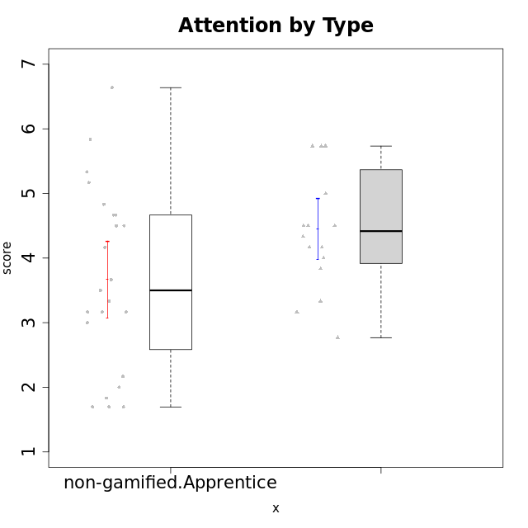

Student's t-Test data
UserID | NroUSP | Type | CLGroup | CLRole | PlayerRole | Attention | Relevance | Satisfaction | Level of Motivation
10169 | 10377538 | non-gamified | Grupo Team 10 | Apprentice |  | 1.8333333333 | 3.25 | 2 | 2.3076923077
10170 | 10260351 | non-gamified | Grupo Team 6 | Apprentice |  | 4.6666666667 | 5 | 4 | 4.6153846154
10174 | 10276852 | non-gamified | Grupo Team 1 | Apprentice |  | 3.1666666667 | 3 | 4 | 3.3076923077
10176 | 10276949 | non-gamified | Grupo Team 9 | Apprentice |  | 3 | 3 | 3.3333333333 | 3.0769230769
10178 | 8656201 | non-gamified | Grupo Team 11 | Apprentice |  | 4.8333333333 | 4.75 | 4.3333333333 | 4.6923076923
10179 | 10310759 | ont-gamified | Grupo Tosskor | Apprentice | Yee Achiever | 4.1666666667 | 5.25 | 4.3333333333 | 4.5384615385
10181 | 10276866 | non-gamified | Grupo Team 7 | Apprentice |  | 4.1666666667 | 4.25 | 3.6666666667 | 4.0769230769
10183 | 10352030 | non-gamified | Grupo Belos | Apprentice | Yee Socializer | 3.1666666667 | 3.5 | 4 | 3.4615384615
10186 | 10310551 | non-gamified | Grupo Team 5 | Apprentice |  | 3.3333333333 | 5 | 5.6666666667 | 4.3846153846
10187 | 9790781 | ont-gamified | Grupo Razorg | Apprentice | Yee Achiever | 4.5 | 2.9011 | 4.6666666667 | 4
10189 | 9363926 | non-gamified | Grupo Team 2 | Apprentice |  | 1.6956666667 | 3 | 1.3681333333 | 2.2177384615
10190 | 10276907 | non-gamified | Grupo Team 8 | Apprentice |  | 2.1666666667 | 4.75 | 6 | 3.8461538462
10191 | 10276981 | ont-gamified | Grupo Yeka | Apprentice | Yee Socializer | 5.7326 | 5.75 | 5.6492666667 | 5.9230769231
10192 | 10276682 | ont-gamified | Grupo Yeka | Apprentice | Yee Socializer | 5.7326 | 5.75 | 5.6492666667 | 6.3846153846
10196 | 10310655 | non-gamified | Grupo Team 5 | Apprentice |  | 3.6666666667 | 3.25 | 4.3333333333 | 3.6923076923
10198 | 10310888 | non-gamified | Grupo Team 1 | Apprentice |  | 6.6376666667 | 6.25 | 6 | 6.5384615385
10200 | 9795272 | non-gamified | Grupo Team 4 | Apprentice |  | 4.5 | 4.5 | 5.3333333333 | 4.6923076923
10202 | 10277036 | ont-gamified | Grupo Paldira | Apprentice | Yee Achiever | 4 | 3.5 | 4 | 3.8461538462
10203 | 9921470 | ont-gamified | Grupo Paldira | Apprentice | Yee Achiever | 5.7326 | 7 | 5.6492666667 | 6.5143692308
10210 | 10277015 | ont-gamified | Grupo Losvakai | Apprentice | Yee Achiever | 3.1666666667 | 4.75 | 3.6666666667 | 3.7692307692
10212 | 9065750 | ont-gamified | Grupo Ellaru | Apprentice | Yee Socializer | 3.3333333333 | 5 | 3 | 3.7692307692
10214 | 10277022 | ont-gamified | Grupo Koil | Apprentice | Yee Achiever | 4.5 | 5.75 | 3.6666666667 | 4.6923076923
10215 | 9285227 | non-gamified | Grupo Team 7 | Apprentice |  | 4.5 | 7 | 4.3333333333 | 5.2307692308
10218 | 9842913 | non-gamified | Grupo Team 10 | Apprentice |  | 3.1666666667 | 5.25 | 5 | 4.2307692308
10219 | 10276831 | ont-gamified | Grupo Razorg | Apprentice | Yee Achiever | 2.7674 | 2.9011 | 3.3333333333 | 2.8461538462
10220 | 9760151 | non-gamified | Grupo Team 4 | Apprentice |  | 1.6956666667 | 7 | 6 | 4.2307692308
10221 | 9082496 | non-gamified | Grupo Team 3 | Apprentice |  | 3.5 | 3.5 | 2.6666666667 | 3.3076923077
10224 | 9368772 | non-gamified | Grupo Team 9 | Apprentice |  | 5.3333333333 | 6 | 5.6666666667 | 5.6153846154
10226 | 10310342 | ont-gamified | Grupo Yeka | Apprentice | Yee Socializer | 5 | 6.25 | 5.6492666667 | 5.5384615385
10227 | 9274382 | non-gamified | Grupo Team 2 | Apprentice |  | 5.8333333333 | 6 | 5.6666666667 | 5.8461538462
10228 | 10310492 | ont-gamified | Grupo Losvakai | Apprentice | Yee Achiever | 4.1666666667 | 4.75 | 4 | 4.3076923077
10230 | 10351992 | ont-gamified | Grupo Koil | Apprentice | Yee Achiever | 5.7326 | 6 | 5.3333333333 | 5.9230769231
10232 | 10276974 | non-gamified | Grupo Team 3 | Apprentice |  | 5.1666666667 | 6.5 | 5.6666666667 | 5.6923076923
10233 | 9805320 | ont-gamified | Grupo Tosskor | Apprentice | Yee Achiever | 4.3333333333 | 3 | 2.6840666667 | 3.2307692308
10234 | 10310676 | non-gamified | Grupo Team 6 | Apprentice |  | 4.6666666667 | 5.25 | 4 | 4.6923076923
10237 | 10377688 | ont-gamified | Grupo Ellaru | Apprentice | Yee Socializer | 3.8333333333 | 6 | 3.6666666667 | 4.4615384615
10238 | 10276953 | ont-gamified | Grupo Belos | Apprentice | Yee Socializer | 4.5 | 4.25 | 4.6666666667 | 4.4615384615
10240 | 10276654 | non-gamified | Grupo Team 8 | Apprentice |  | 2 | 3.25 | 1.6666666667 | 2.3076923077
10242 | 9424506 | non-gamified | Grupo Team 11 | Apprentice |  | 1.6956666667 | 3 | 1.3681333333 | 2.2177384615

Type_CLRole_3
Student's t-Test for Attention by Type in Type:CLRole between non-gamified.Apprentice:ont-gamified.Master

Student's t-Test results
Alternative hypothesis: less
Group | N | Mean | Mean.Difference | Std.deviation | Std.error | CI.lower | CI.upper | df | t.value | p.value | g | magnitude
non-gamified.Apprentice | 23 | 3.6691884058 | -0.4892365942 | 1.4290120902 | 0.29796961866 | 3.0732491685 | 4.2651276431 | 24.94048779 | -1.2568626119 | 0.11022372591 | -0.36867375954 | small
ont-gamified.Master | 8 | 4.158425 | 0.4892365942 | 0.70841466463 | 0.25046240663 | 3.6575001867 | 4.6593498133 | 24.94048779 | -1.2568626119 | 0.11022372591 | -0.36867375954 | small
Alternative hypothesis: greater
Group | N | Mean | Mean.Difference | Std.deviation | Std.error | CI.lower | CI.upper | df | t.value | p.value | g | magnitude
non-gamified.Apprentice | 23 | 3.6691884058 | -0.4892365942 | 1.4290120902 | 0.29796961866 | 3.0732491685 | 4.2651276431 | 24.94048779 | -1.2568626119 | 0.88977627409 | -0.36867375954 | small
ont-gamified.Master | 8 | 4.158425 | 0.4892365942 | 0.70841466463 | 0.25046240663 | 3.6575001867 | 4.6593498133 | 24.94048779 | -1.2568626119 | 0.88977627409 | -0.36867375954 | small
Alternative hypothesis: two.sided
Group | N | Mean | Mean.Difference | Std.deviation | Std.error | CI.lower | CI.upper | df | t.value | p.value | g | magnitude
non-gamified.Apprentice | 23 | 3.6691884058 | -0.4892365942 | 1.4290120902 | 0.29796961866 | 3.0732491685 | 4.2651276431 | 24.94048779 | -1.2568626119 | 0.22044745182 | -0.36867375954 | small
ont-gamified.Master | 8 | 4.158425 | 0.4892365942 | 0.70841466463 | 0.25046240663 | 3.6575001867 | 4.6593498133 | 24.94048779 | -1.2568626119 | 0.22044745182 | -0.36867375954 | small

Box plots for Student's t-Test
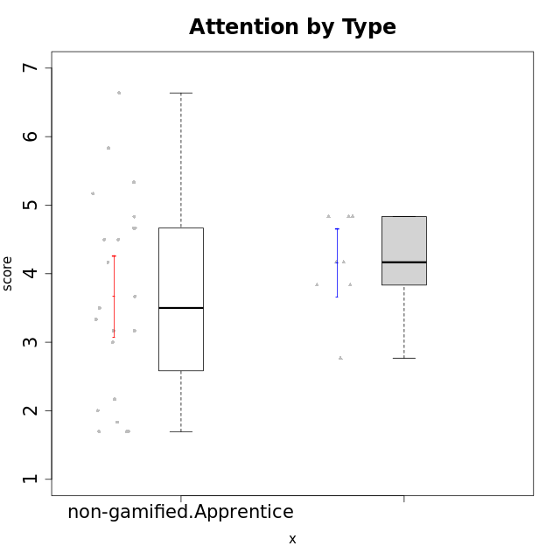

Student's t-Test data
UserID | NroUSP | Type | CLGroup | CLRole | PlayerRole | Attention | Relevance | Satisfaction | Level of Motivation
10169 | 10377538 | non-gamified | Grupo Team 10 | Apprentice |  | 1.8333333333 | 3.25 | 2 | 2.3076923077
10170 | 10260351 | non-gamified | Grupo Team 6 | Apprentice |  | 4.6666666667 | 5 | 4 | 4.6153846154
10171 | 698531 | ont-gamified | Grupo Losvakai | Master | Yee Achiever | 4.8333333333 | 6.6076 | 5.3333333333 | 5.5384615385
10172 | 10273971 | ont-gamified | Grupo Koil | Master | Yee Achiever | 4.8333333333 | 5.5 | 3.6666666667 | 4.7692307692
10174 | 10276852 | non-gamified | Grupo Team 1 | Apprentice |  | 3.1666666667 | 3 | 4 | 3.3076923077
10176 | 10276949 | non-gamified | Grupo Team 9 | Apprentice |  | 3 | 3 | 3.3333333333 | 3.0769230769
10178 | 8656201 | non-gamified | Grupo Team 11 | Apprentice |  | 4.8333333333 | 4.75 | 4.3333333333 | 4.6923076923
10181 | 10276866 | non-gamified | Grupo Team 7 | Apprentice |  | 4.1666666667 | 4.25 | 3.6666666667 | 4.0769230769
10183 | 10352030 | non-gamified | Grupo Belos | Apprentice | Yee Socializer | 3.1666666667 | 3.5 | 4 | 3.4615384615
10185 | 10276960 | ont-gamified | Grupo Tosskor | Master | Yee Achiever | 4.1666666667 | 4.75 | 4 | 4.3076923077
10186 | 10310551 | non-gamified | Grupo Team 5 | Apprentice |  | 3.3333333333 | 5 | 5.6666666667 | 4.3846153846
10188 | 10276995 | ont-gamified | Grupo Paldira | Master | Yee Achiever | 4.1666666667 | 5.25 | 4.6666666667 | 4.6153846154
10189 | 9363926 | non-gamified | Grupo Team 2 | Apprentice |  | 1.6956666667 | 3 | 1.3681333333 | 2.2177384615
10190 | 10276907 | non-gamified | Grupo Team 8 | Apprentice |  | 2.1666666667 | 4.75 | 6 | 3.8461538462
10196 | 10310655 | non-gamified | Grupo Team 5 | Apprentice |  | 3.6666666667 | 3.25 | 4.3333333333 | 3.6923076923
10198 | 10310888 | non-gamified | Grupo Team 1 | Apprentice |  | 6.6376666667 | 6.25 | 6 | 6.5384615385
10200 | 9795272 | non-gamified | Grupo Team 4 | Apprentice |  | 4.5 | 4.5 | 5.3333333333 | 4.6923076923
10208 | 10276932 | ont-gamified | Grupo Yeka | Master | Yee Socializer | 3.8333333333 | 3.75 | 3.6666666667 | 3.7692307692
10211 | 9311643 | ont-gamified | Grupo Razorg | Master | Yee Achiever | 2.7674 | 4.25 | 2.6840666667 | 3.1314461538
10215 | 9285227 | non-gamified | Grupo Team 7 | Apprentice |  | 4.5 | 7 | 4.3333333333 | 5.2307692308
10216 | 10276720 | ont-gamified | Grupo Ellaru | Master | Yee Socializer | 3.8333333333 | 5 | 4.6666666667 | 4.3846153846
10217 | 9805341 | ont-gamified | Grupo Belos | Master | Yee Socializer | 4.8333333333 | 5.75 | 5 | 5.1538461538
10218 | 9842913 | non-gamified | Grupo Team 10 | Apprentice |  | 3.1666666667 | 5.25 | 5 | 4.2307692308
10220 | 9760151 | non-gamified | Grupo Team 4 | Apprentice |  | 1.6956666667 | 7 | 6 | 4.2307692308
10221 | 9082496 | non-gamified | Grupo Team 3 | Apprentice |  | 3.5 | 3.5 | 2.6666666667 | 3.3076923077
10224 | 9368772 | non-gamified | Grupo Team 9 | Apprentice |  | 5.3333333333 | 6 | 5.6666666667 | 5.6153846154
10227 | 9274382 | non-gamified | Grupo Team 2 | Apprentice |  | 5.8333333333 | 6 | 5.6666666667 | 5.8461538462
10232 | 10276974 | non-gamified | Grupo Team 3 | Apprentice |  | 5.1666666667 | 6.5 | 5.6666666667 | 5.6923076923
10234 | 10310676 | non-gamified | Grupo Team 6 | Apprentice |  | 4.6666666667 | 5.25 | 4 | 4.6923076923
10240 | 10276654 | non-gamified | Grupo Team 8 | Apprentice |  | 2 | 3.25 | 1.6666666667 | 2.3076923077
10242 | 9424506 | non-gamified | Grupo Team 11 | Apprentice |  | 1.6956666667 | 3 | 1.3681333333 | 2.2177384615

Type_CLRole_4
Student's t-Test for Attention by Type in Type:CLRole between non-gamified.Master:ont-gamified.Apprentice

Student's t-Test results
Alternative hypothesis: less
Group | N | Mean | Mean.Difference | Std.deviation | Std.error | CI.lower | CI.upper | df | t.value | p.value | g | magnitude
non-gamified.Master | 11 | 4.1060606061 | -0.34380189394 | 1.5795270095 | 0.47624531243 | 3.1535699812 | 5.0585512309 | 14.916520284 | -0.64681208385 | 0.26379096443 | -0.26927391807 | small
ont-gamified.Apprentice | 16 | 4.4498625 | 0.34380189394 | 0.94418313304 | 0.23604578326 | 3.9777709335 | 4.9219540665 | 14.916520284 | -0.64681208385 | 0.26379096443 | -0.26927391807 | small
Alternative hypothesis: greater
Group | N | Mean | Mean.Difference | Std.deviation | Std.error | CI.lower | CI.upper | df | t.value | p.value | g | magnitude
non-gamified.Master | 11 | 4.1060606061 | -0.34380189394 | 1.5795270095 | 0.47624531243 | 3.1535699812 | 5.0585512309 | 14.916520284 | -0.64681208385 | 0.73620903557 | -0.26927391807 | small
ont-gamified.Apprentice | 16 | 4.4498625 | 0.34380189394 | 0.94418313304 | 0.23604578326 | 3.9777709335 | 4.9219540665 | 14.916520284 | -0.64681208385 | 0.73620903557 | -0.26927391807 | small
Alternative hypothesis: two.sided
Group | N | Mean | Mean.Difference | Std.deviation | Std.error | CI.lower | CI.upper | df | t.value | p.value | g | magnitude
non-gamified.Master | 11 | 4.1060606061 | -0.34380189394 | 1.5795270095 | 0.47624531243 | 3.1535699812 | 5.0585512309 | 14.916520284 | -0.64681208385 | 0.52758192886 | -0.26927391807 | small
ont-gamified.Apprentice | 16 | 4.4498625 | 0.34380189394 | 0.94418313304 | 0.23604578326 | 3.9777709335 | 4.9219540665 | 14.916520284 | -0.64681208385 | 0.52758192886 | -0.26927391807 | small

Box plots for Student's t-Test
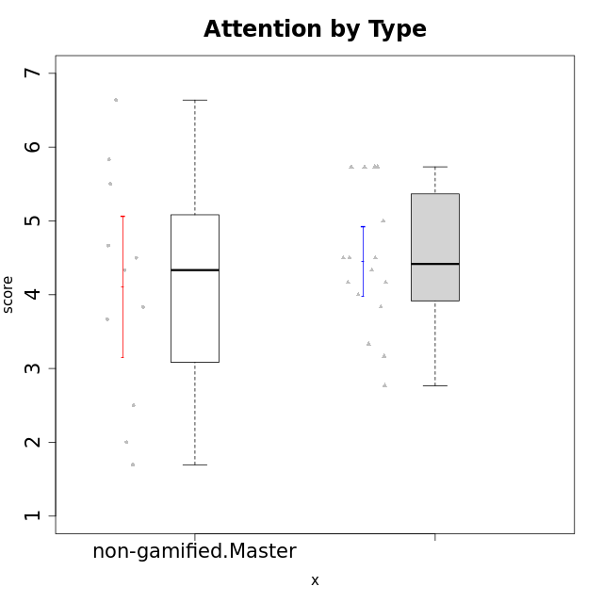

Student's t-Test data
UserID | NroUSP | Type | CLGroup | CLRole | PlayerRole | Attention | Relevance | Satisfaction | Level of Motivation
10175 | 10310700 | non-gamified | Grupo Team 6 | Master |  | 5.8333333333 | 6.4826 | 5.3333333333 | 6.0769230769
10179 | 10310759 | ont-gamified | Grupo Tosskor | Apprentice | Yee Achiever | 4.1666666667 | 5.25 | 4.3333333333 | 4.5384615385
10184 | 10276675 | non-gamified | Grupo Team 7 | Master |  | 5.5 | 6 | 5.3333333333 | 5.6153846154
10187 | 9790781 | ont-gamified | Grupo Razorg | Apprentice | Yee Achiever | 4.5 | 2.9011 | 4.6666666667 | 4
10191 | 10276981 | ont-gamified | Grupo Yeka | Apprentice | Yee Socializer | 5.7326 | 5.75 | 5.6492666667 | 5.9230769231
10192 | 10276682 | ont-gamified | Grupo Yeka | Apprentice | Yee Socializer | 5.7326 | 5.75 | 5.6492666667 | 6.3846153846
10193 | 10276762 | non-gamified | Grupo Team 2 | Master |  | 3.6666666667 | 4.5 | 2.6666666667 | 3.6923076923
10197 | 10276661 | non-gamified | Grupo Team 11 | Master |  | 4.3333333333 | 5 | 4.3333333333 | 4.5384615385
10201 | 10276928 | non-gamified | Grupo Team 10 | Master |  | 4.6666666667 | 5.25 | 6 | 5.1538461538
10202 | 10277036 | ont-gamified | Grupo Paldira | Apprentice | Yee Achiever | 4 | 3.5 | 4 | 3.8461538462
10203 | 9921470 | ont-gamified | Grupo Paldira | Apprentice | Yee Achiever | 5.7326 | 7 | 5.6492666667 | 6.5143692308
10204 | 10310471 | non-gamified | Grupo Team 5 | Master |  | 6.6376666667 | 6.25 | 6.3333333333 | 6.5384615385
10206 | 10310721 | non-gamified | Grupo Team 9 | Master |  | 3.8333333333 | 4.75 | 4.6666666667 | 4.3076923077
10209 | 10262669 | non-gamified | Grupo Team 1 | Master |  | 1.6956666667 | 3.75 | 2.6666666667 | 2.4615384615
10210 | 10277015 | ont-gamified | Grupo Losvakai | Apprentice | Yee Achiever | 3.1666666667 | 4.75 | 3.6666666667 | 3.7692307692
10212 | 9065750 | ont-gamified | Grupo Ellaru | Apprentice | Yee Socializer | 3.3333333333 | 5 | 3 | 3.7692307692
10213 | 10277040 | non-gamified | Grupo Team 8 | Master |  | 4.5 | 5 | 5.6666666667 | 4.9230769231
10214 | 10277022 | ont-gamified | Grupo Koil | Apprentice | Yee Achiever | 4.5 | 5.75 | 3.6666666667 | 4.6923076923
10219 | 10276831 | ont-gamified | Grupo Razorg | Apprentice | Yee Achiever | 2.7674 | 2.9011 | 3.3333333333 | 2.8461538462
10223 | 9795185 | non-gamified | Grupo Team 3 | Master |  | 2 | 3.5174 | 2.3333333333 | 2.3076923077
10226 | 10310342 | ont-gamified | Grupo Yeka | Apprentice | Yee Socializer | 5 | 6.25 | 5.6492666667 | 5.5384615385
10228 | 10310492 | ont-gamified | Grupo Losvakai | Apprentice | Yee Achiever | 4.1666666667 | 4.75 | 4 | 4.3076923077
10230 | 10351992 | ont-gamified | Grupo Koil | Apprentice | Yee Achiever | 5.7326 | 6 | 5.3333333333 | 5.9230769231
10231 | 10276911 | non-gamified | Grupo Team 4 | Master |  | 2.5 | 5 | 4.6666666667 | 3.7692307692
10233 | 9805320 | ont-gamified | Grupo Tosskor | Apprentice | Yee Achiever | 4.3333333333 | 3 | 2.6840666667 | 3.2307692308
10237 | 10377688 | ont-gamified | Grupo Ellaru | Apprentice | Yee Socializer | 3.8333333333 | 6 | 3.6666666667 | 4.4615384615
10238 | 10276953 | ont-gamified | Grupo Belos | Apprentice | Yee Socializer | 4.5 | 4.25 | 4.6666666667 | 4.4615384615

Type_CLRole_5
Student's t-Test for Attention by Type in Type:CLRole between non-gamified.Master:ont-gamified.Master

Student's t-Test results
Alternative hypothesis: less
Group | N | Mean | Mean.Difference | Std.deviation | Std.error | CI.lower | CI.upper | df | t.value | p.value | g | magnitude
non-gamified.Master | 11 | 4.1060606061 | -0.052364393939 | 1.5795270095 | 0.47624531243 | 3.1535699812 | 5.0585512309 | 14.691133206 | -0.097315279731 | 0.46189562406 | -0.038657422247 | negligible
ont-gamified.Master | 8 | 4.158425 | 0.052364393939 | 0.70841466463 | 0.25046240663 | 3.6575001867 | 4.6593498133 | 14.691133206 | -0.097315279731 | 0.46189562406 | -0.038657422247 | negligible
Alternative hypothesis: greater
Group | N | Mean | Mean.Difference | Std.deviation | Std.error | CI.lower | CI.upper | df | t.value | p.value | g | magnitude
non-gamified.Master | 11 | 4.1060606061 | -0.052364393939 | 1.5795270095 | 0.47624531243 | 3.1535699812 | 5.0585512309 | 14.691133206 | -0.097315279731 | 0.53810437594 | -0.038657422247 | negligible
ont-gamified.Master | 8 | 4.158425 | 0.052364393939 | 0.70841466463 | 0.25046240663 | 3.6575001867 | 4.6593498133 | 14.691133206 | -0.097315279731 | 0.53810437594 | -0.038657422247 | negligible
Alternative hypothesis: two.sided
Group | N | Mean | Mean.Difference | Std.deviation | Std.error | CI.lower | CI.upper | df | t.value | p.value | g | magnitude
non-gamified.Master | 11 | 4.1060606061 | -0.052364393939 | 1.5795270095 | 0.47624531243 | 3.1535699812 | 5.0585512309 | 14.691133206 | -0.097315279731 | 0.92379124812 | -0.038657422247 | negligible
ont-gamified.Master | 8 | 4.158425 | 0.052364393939 | 0.70841466463 | 0.25046240663 | 3.6575001867 | 4.6593498133 | 14.691133206 | -0.097315279731 | 0.92379124812 | -0.038657422247 | negligible

Box plots for Student's t-Test
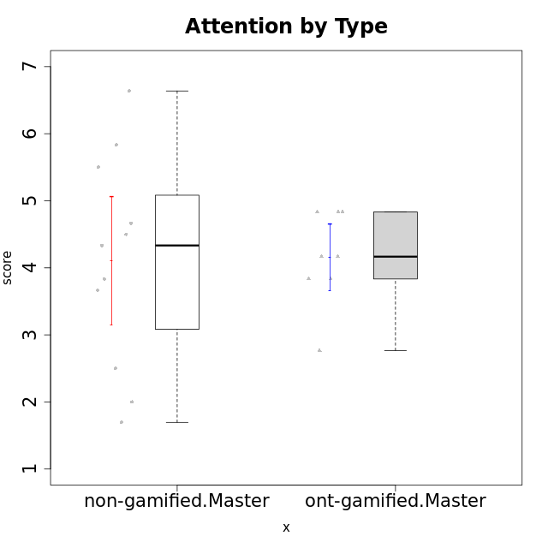

Student's t-Test data
UserID | NroUSP | Type | CLGroup | CLRole | PlayerRole | Attention | Relevance | Satisfaction | Level of Motivation
10171 | 698531 | ont-gamified | Grupo Losvakai | Master | Yee Achiever | 4.8333333333 | 6.6076 | 5.3333333333 | 5.5384615385
10172 | 10273971 | ont-gamified | Grupo Koil | Master | Yee Achiever | 4.8333333333 | 5.5 | 3.6666666667 | 4.7692307692
10175 | 10310700 | non-gamified | Grupo Team 6 | Master |  | 5.8333333333 | 6.4826 | 5.3333333333 | 6.0769230769
10184 | 10276675 | non-gamified | Grupo Team 7 | Master |  | 5.5 | 6 | 5.3333333333 | 5.6153846154
10185 | 10276960 | ont-gamified | Grupo Tosskor | Master | Yee Achiever | 4.1666666667 | 4.75 | 4 | 4.3076923077
10188 | 10276995 | ont-gamified | Grupo Paldira | Master | Yee Achiever | 4.1666666667 | 5.25 | 4.6666666667 | 4.6153846154
10193 | 10276762 | non-gamified | Grupo Team 2 | Master |  | 3.6666666667 | 4.5 | 2.6666666667 | 3.6923076923
10197 | 10276661 | non-gamified | Grupo Team 11 | Master |  | 4.3333333333 | 5 | 4.3333333333 | 4.5384615385
10201 | 10276928 | non-gamified | Grupo Team 10 | Master |  | 4.6666666667 | 5.25 | 6 | 5.1538461538
10204 | 10310471 | non-gamified | Grupo Team 5 | Master |  | 6.6376666667 | 6.25 | 6.3333333333 | 6.5384615385
10206 | 10310721 | non-gamified | Grupo Team 9 | Master |  | 3.8333333333 | 4.75 | 4.6666666667 | 4.3076923077
10208 | 10276932 | ont-gamified | Grupo Yeka | Master | Yee Socializer | 3.8333333333 | 3.75 | 3.6666666667 | 3.7692307692
10209 | 10262669 | non-gamified | Grupo Team 1 | Master |  | 1.6956666667 | 3.75 | 2.6666666667 | 2.4615384615
10211 | 9311643 | ont-gamified | Grupo Razorg | Master | Yee Achiever | 2.7674 | 4.25 | 2.6840666667 | 3.1314461538
10213 | 10277040 | non-gamified | Grupo Team 8 | Master |  | 4.5 | 5 | 5.6666666667 | 4.9230769231
10216 | 10276720 | ont-gamified | Grupo Ellaru | Master | Yee Socializer | 3.8333333333 | 5 | 4.6666666667 | 4.3846153846
10217 | 9805341 | ont-gamified | Grupo Belos | Master | Yee Socializer | 4.8333333333 | 5.75 | 5 | 5.1538461538
10223 | 9795185 | non-gamified | Grupo Team 3 | Master |  | 2 | 3.5174 | 2.3333333333 | 2.3076923077
10231 | 10276911 | non-gamified | Grupo Team 4 | Master |  | 2.5 | 5 | 4.6666666667 | 3.7692307692

Type_CLRole_6
Student's t-Test for Attention by Type in Type:CLRole between ont-gamified.Apprentice:ont-gamified.Master

Student's t-Test results
Alternative hypothesis: less
Group | N | Mean | Mean.Difference | Std.deviation | Std.error | CI.lower | CI.upper | df | t.value | p.value | g | magnitude
ont-gamified.Apprentice | 16 | 4.4498625 | 0.2914375 | 0.94418313304 | 0.23604578326 | 3.9777709335 | 4.9219540665 | 18.241393324 | 0.84679772092 | 0.79595972843 | 0.32119137878 | small
ont-gamified.Master | 8 | 4.158425 | -0.2914375 | 0.70841466463 | 0.25046240663 | 3.6575001867 | 4.6593498133 | 18.241393324 | 0.84679772092 | 0.79595972843 | 0.32119137878 | small
Alternative hypothesis: greater
Group | N | Mean | Mean.Difference | Std.deviation | Std.error | CI.lower | CI.upper | df | t.value | p.value | g | magnitude
ont-gamified.Apprentice | 16 | 4.4498625 | 0.2914375 | 0.94418313304 | 0.23604578326 | 3.9777709335 | 4.9219540665 | 18.241393324 | 0.84679772092 | 0.20404027157 | 0.32119137878 | small
ont-gamified.Master | 8 | 4.158425 | -0.2914375 | 0.70841466463 | 0.25046240663 | 3.6575001867 | 4.6593498133 | 18.241393324 | 0.84679772092 | 0.20404027157 | 0.32119137878 | small
Alternative hypothesis: two.sided
Group | N | Mean | Mean.Difference | Std.deviation | Std.error | CI.lower | CI.upper | df | t.value | p.value | g | magnitude
ont-gamified.Apprentice | 16 | 4.4498625 | 0.2914375 | 0.94418313304 | 0.23604578326 | 3.9777709335 | 4.9219540665 | 18.241393324 | 0.84679772092 | 0.40808054314 | 0.32119137878 | small
ont-gamified.Master | 8 | 4.158425 | -0.2914375 | 0.70841466463 | 0.25046240663 | 3.6575001867 | 4.6593498133 | 18.241393324 | 0.84679772092 | 0.40808054314 | 0.32119137878 | small

Box plots for Student's t-Test
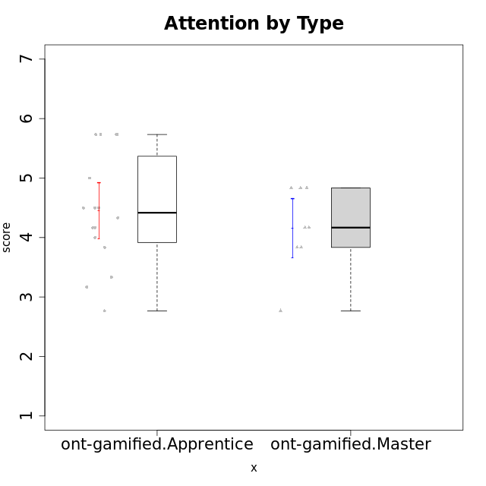

Student's t-Test data
UserID | NroUSP | Type | CLGroup | CLRole | PlayerRole | Attention | Relevance | Satisfaction | Level of Motivation
10171 | 698531 | ont-gamified | Grupo Losvakai | Master | Yee Achiever | 4.8333333333 | 6.6076 | 5.3333333333 | 5.5384615385
10172 | 10273971 | ont-gamified | Grupo Koil | Master | Yee Achiever | 4.8333333333 | 5.5 | 3.6666666667 | 4.7692307692
10179 | 10310759 | ont-gamified | Grupo Tosskor | Apprentice | Yee Achiever | 4.1666666667 | 5.25 | 4.3333333333 | 4.5384615385
10185 | 10276960 | ont-gamified | Grupo Tosskor | Master | Yee Achiever | 4.1666666667 | 4.75 | 4 | 4.3076923077
10187 | 9790781 | ont-gamified | Grupo Razorg | Apprentice | Yee Achiever | 4.5 | 2.9011 | 4.6666666667 | 4
10188 | 10276995 | ont-gamified | Grupo Paldira | Master | Yee Achiever | 4.1666666667 | 5.25 | 4.6666666667 | 4.6153846154
10191 | 10276981 | ont-gamified | Grupo Yeka | Apprentice | Yee Socializer | 5.7326 | 5.75 | 5.6492666667 | 5.9230769231
10192 | 10276682 | ont-gamified | Grupo Yeka | Apprentice | Yee Socializer | 5.7326 | 5.75 | 5.6492666667 | 6.3846153846
10202 | 10277036 | ont-gamified | Grupo Paldira | Apprentice | Yee Achiever | 4 | 3.5 | 4 | 3.8461538462
10203 | 9921470 | ont-gamified | Grupo Paldira | Apprentice | Yee Achiever | 5.7326 | 7 | 5.6492666667 | 6.5143692308
10208 | 10276932 | ont-gamified | Grupo Yeka | Master | Yee Socializer | 3.8333333333 | 3.75 | 3.6666666667 | 3.7692307692
10210 | 10277015 | ont-gamified | Grupo Losvakai | Apprentice | Yee Achiever | 3.1666666667 | 4.75 | 3.6666666667 | 3.7692307692
10211 | 9311643 | ont-gamified | Grupo Razorg | Master | Yee Achiever | 2.7674 | 4.25 | 2.6840666667 | 3.1314461538
10212 | 9065750 | ont-gamified | Grupo Ellaru | Apprentice | Yee Socializer | 3.3333333333 | 5 | 3 | 3.7692307692
10214 | 10277022 | ont-gamified | Grupo Koil | Apprentice | Yee Achiever | 4.5 | 5.75 | 3.6666666667 | 4.6923076923
10216 | 10276720 | ont-gamified | Grupo Ellaru | Master | Yee Socializer | 3.8333333333 | 5 | 4.6666666667 | 4.3846153846
10217 | 9805341 | ont-gamified | Grupo Belos | Master | Yee Socializer | 4.8333333333 | 5.75 | 5 | 5.1538461538
10219 | 10276831 | ont-gamified | Grupo Razorg | Apprentice | Yee Achiever | 2.7674 | 2.9011 | 3.3333333333 | 2.8461538462
10226 | 10310342 | ont-gamified | Grupo Yeka | Apprentice | Yee Socializer | 5 | 6.25 | 5.6492666667 | 5.5384615385
10228 | 10310492 | ont-gamified | Grupo Losvakai | Apprentice | Yee Achiever | 4.1666666667 | 4.75 | 4 | 4.3076923077
10230 | 10351992 | ont-gamified | Grupo Koil | Apprentice | Yee Achiever | 5.7326 | 6 | 5.3333333333 | 5.9230769231
10233 | 9805320 | ont-gamified | Grupo Tosskor | Apprentice | Yee Achiever | 4.3333333333 | 3 | 2.6840666667 | 3.2307692308
10237 | 10377688 | ont-gamified | Grupo Ellaru | Apprentice | Yee Socializer | 3.8333333333 | 6 | 3.6666666667 | 4.4615384615
10238 | 10276953 | ont-gamified | Grupo Belos | Apprentice | Yee Socializer | 4.5 | 4.25 | 4.6666666667 | 4.4615384615

