Type_1
Wilcoxon Analysis for Satisfaction by Type in Type between non-gamified:ont-gamified

Wilcoxon test results
Alternative hypothesis: less
Group | N | Median | Mean.Ranks | Sum.Ranks | U | Z | p.value | r | magnitude
non-gamified | 34 | 4.3333333333 | 30.191176471 | 1026.5 | 431.5 | 0.37241174625 | 0.64560943538 | 0.048900057955 | none
ont-gamified | 24 | 4.1666666667 | 28.520833333 | 684.5 | 431.5 | 0.37241174625 | 0.64560943538 | 0.048900057955 | none
Alternative hypothesis: greater
Group | N | Median | Mean.Ranks | Sum.Ranks | U | Z | p.value | r | magnitude
non-gamified | 34 | 4.3333333333 | 30.191176471 | 1026.5 | 431.5 | 0.37241174625 | 0.35732458652 | 0.048900057955 | none
ont-gamified | 24 | 4.1666666667 | 28.520833333 | 684.5 | 431.5 | 0.37241174625 | 0.35732458652 | 0.048900057955 | none
Alternative hypothesis: two.sided
Group | N | Median | Mean.Ranks | Sum.Ranks | U | Z | p.value | r | magnitude
non-gamified | 34 | 4.3333333333 | 30.191176471 | 1026.5 | 431.5 | 0.37241174625 | 0.7146743438 | 0.048900057955 | none
ont-gamified | 24 | 4.1666666667 | 28.520833333 | 684.5 | 431.5 | 0.37241174625 | 0.7146743438 | 0.048900057955 | none

Box plots for wilcoxon tests
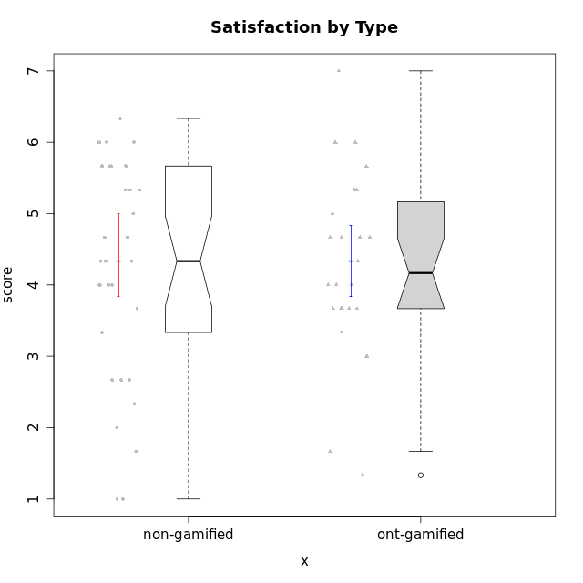

Wilcoxon data
UserID | NroUSP | Type | CLGroup | CLRole | PlayerRole | Item12A | Item19A | Item04A | Item20A | Item16A | Item01A | Item15R | Item21R | Item10R | Item08R | Item13S | Item14S | Item17S | Attention | Relevance | Satisfaction | Level of Motivation
10169 | 10377538 | non-gamified | Grupo Team 10 | Apprentice |  | 2 | 2 | 2 | 2 | 1 | 2 | 5 | 3 | 6 | 5 | 2 | 2 | 2 | 1.8333333333 | 3.25 | 2 | 2.3076923077
10170 | 10260351 | non-gamified | Grupo Team 6 | Apprentice |  | 5 | 5 | 5 | 3 | 6 | 4 | 4 | 2 | 2 | 4 | 5 | 4 | 3 | 4.6666666667 | 5 | 4 | 4.6153846154
10171 | 698531 | ont-gamified | Grupo Losvakai | Master | Yee Achiever | 5 | 5 | 5 | 4 | 5 | 5 | 2 | 1 | 1 | 1 | 5 | 6 | 5 | 4.8333333333 | 6.75 | 5.3333333333 | 5.5384615385
10172 | 10273971 | ont-gamified | Grupo Koil | Master | Yee Achiever | 4 | 5 | 6 | 5 | 3 | 6 | 3 | 2 | 2 | 3 | 5 | 4 | 2 | 4.8333333333 | 5.5 | 3.6666666667 | 4.7692307692
10174 | 10276852 | non-gamified | Grupo Team 1 | Apprentice |  | 3 | 1 | 4 | 3 | 4 | 4 | 4 | 6 | 4 | 6 | 4 | 2 | 6 | 3.1666666667 | 3 | 4 | 3.3076923077
10175 | 10310700 | non-gamified | Grupo Team 6 | Master |  | 7 | 6 | 5 | 4 | 6 | 7 | 1 | 1 | 1 | 1 | 7 | 5 | 4 | 5.8333333333 | 7 | 5.3333333333 | 6.0769230769
10176 | 10276949 | non-gamified | Grupo Team 9 | Apprentice |  | 3 | 3 | 3 | 3 | 3 | 3 | 4 | 5 | 6 | 5 | 3 | 3 | 4 | 3 | 3 | 3.3333333333 | 3.0769230769
10178 | 8656201 | non-gamified | Grupo Team 11 | Apprentice |  | 5 | 5 | 5 | 5 | 5 | 4 | 3 | 2 | 2 | 6 | 5 | 4 | 4 | 4.8333333333 | 4.75 | 4.3333333333 | 4.6923076923
10179 | 10310759 | ont-gamified | Grupo Tosskor | Apprentice | Yee Achiever | 4 | 4 | 4 | 4 | 5 | 4 | 2 | 3 | 3 | 3 | 5 | 3 | 5 | 4.1666666667 | 5.25 | 4.3333333333 | 4.5384615385
10181 | 10276866 | non-gamified | Grupo Team 7 | Apprentice |  | 5 | 1 | 5 | 4 | 5 | 5 | 5 | 4 | 3 | 3 | 3 | 5 | 3 | 4.1666666667 | 4.25 | 3.6666666667 | 4.0769230769
10183 | 10352030 | non-gamified | Grupo Belos | Apprentice | Yee Socializer | 3 | 5 | 2 | 2 | 3 | 4 | 4 | 4 | 6 | 4 | 4 | 4 | 4 | 3.1666666667 | 3.5 | 4 | 3.4615384615
10184 | 10276675 | non-gamified | Grupo Team 7 | Master |  | 6 | 4 | 6 | 6 | 6 | 5 | 3 | 2 | 2 | 1 | 6 | 6 | 4 | 5.5 | 6 | 5.3333333333 | 5.6153846154
10185 | 10276960 | ont-gamified | Grupo Tosskor | Master | Yee Achiever | 4 | 5 | 5 | 3 | 4 | 4 | 4 | 4 | 3 | 2 | 4 | 4 | 4 | 4.1666666667 | 4.75 | 4 | 4.3076923077
10186 | 10310551 | non-gamified | Grupo Team 5 | Apprentice |  | 3 | 1 | 4 | 4 | 7 | 1 | 1 | 3 | 4 | 4 | 7 | 5 | 5 | 3.3333333333 | 5 | 5.6666666667 | 4.3846153846
10187 | 9790781 | ont-gamified | Grupo Razorg | Apprentice | Yee Achiever | 4 | 4 | 4 | 5 | 4 | 6 | 5 | 6 | 5 | 5 | 5 | 5 | 4 | 4.5 | 2.75 | 4.6666666667 | 4
10188 | 10276995 | ont-gamified | Grupo Paldira | Master | Yee Achiever | 5 | 3 | 5 | 4 | 4 | 4 | 4 | 4 | 2 | 1 | 5 | 4 | 5 | 4.1666666667 | 5.25 | 4.6666666667 | 4.6153846154
10189 | 9363926 | non-gamified | Grupo Team 2 | Apprentice |  | 1 | 1 | 1 | 2 | 1 | 1 | 2 | 6 | 6 | 6 | 1 | 1 | 1 | 1.1666666667 | 3 | 1 | 1.6923076923
10190 | 10276907 | non-gamified | Grupo Team 8 | Apprentice |  | 1 | 1 | 4 | 1 | 3 | 3 | 1 | 5 | 6 | 1 | 7 | 7 | 4 | 2.1666666667 | 4.75 | 6 | 3.8461538462
10191 | 10276981 | ont-gamified | Grupo Yeka | Apprentice | Yee Socializer | 6 | 7 | 6 | 6 | 5 | 6 | 4 | 2 | 1 | 2 | 6 | 6 | 6 | 6 | 5.75 | 6 | 5.9230769231
10192 | 10276682 | ont-gamified | Grupo Yeka | Apprentice | Yee Socializer | 7 | 7 | 7 | 7 | 7 | 7 | 1 | 1 | 6 | 1 | 7 | 7 | 4 | 7 | 5.75 | 6 | 6.3846153846
10193 | 10276762 | non-gamified | Grupo Team 2 | Master |  | 4 | 4 | 3 | 3 | 5 | 3 | 6 | 3 | 4 | 1 | 2 | 4 | 2 | 3.6666666667 | 4.5 | 2.6666666667 | 3.6923076923
10196 | 10310655 | non-gamified | Grupo Team 5 | Apprentice |  | 4 | 4 | 1 | 4 | 5 | 4 | 4 | 5 | 6 | 4 | 4 | 5 | 4 | 3.6666666667 | 3.25 | 4.3333333333 | 3.6923076923
10197 | 10276661 | non-gamified | Grupo Team 11 | Master |  | 4 | 2 | 5 | 4 | 4 | 7 | 4 | 3 | 1 | 4 | 5 | 3 | 5 | 4.3333333333 | 5 | 4.3333333333 | 4.5384615385
10198 | 10310888 | non-gamified | Grupo Team 1 | Apprentice |  | 7 | 7 | 7 | 7 | 7 | 7 | 1 | 1 | 1 | 4 | 7 | 7 | 4 | 7 | 6.25 | 6 | 6.5384615385
10200 | 9795272 | non-gamified | Grupo Team 4 | Apprentice |  | 4 | 4 | 5 | 4 | 5 | 5 | 3 | 3 | 5 | 3 | 6 | 5 | 5 | 4.5 | 4.5 | 5.3333333333 | 4.6923076923
10201 | 10276928 | non-gamified | Grupo Team 10 | Master |  | 5 | 5 | 4 | 5 | 5 | 4 | 2 | 2 | 3 | 4 | 6 | 6 | 6 | 4.6666666667 | 5.25 | 6 | 5.1538461538
10202 | 10277036 | ont-gamified | Grupo Paldira | Apprentice | Yee Achiever | 4 | 3 | 4 | 4 | 4 | 5 | 4 | 4 | 4 | 6 | 4 | 4 | 4 | 4 | 3.5 | 4 | 3.8461538462
10203 | 9921470 | ont-gamified | Grupo Paldira | Apprentice | Yee Achiever | 7 | 7 | 7 | 7 | 7 | 7 | 1 | 1 | 1 | 1 | 7 | 7 | 7 | 7 | 7 | 7 | 7
10204 | 10310471 | non-gamified | Grupo Team 5 | Master |  | 7 | 7 | 6 | 7 | 7 | 7 | 3 | 1 | 2 | 1 | 7 | 7 | 5 | 6.8333333333 | 6.25 | 6.3333333333 | 6.5384615385
10206 | 10310721 | non-gamified | Grupo Team 9 | Master |  | 3 | 4 | 5 | 3 | 4 | 4 | 4 | 2 | 2 | 5 | 4 | 5 | 5 | 3.8333333333 | 4.75 | 4.6666666667 | 4.3076923077
10208 | 10276932 | ont-gamified | Grupo Yeka | Master | Yee Socializer | 3 | 5 | 3 | 4 | 4 | 4 | 4 | 4 | 6 | 3 | 3 | 4 | 4 | 3.8333333333 | 3.75 | 3.6666666667 | 3.7692307692
10209 | 10262669 | non-gamified | Grupo Team 1 | Master |  | 1 | 1 | 1 | 1 | 4 | 1 | 4 | 6 | 6 | 1 | 4 | 1 | 3 | 1.5 | 3.75 | 2.6666666667 | 2.4615384615
10210 | 10277015 | ont-gamified | Grupo Losvakai | Apprentice | Yee Achiever | 4 | 2 | 4 | 3 | 2 | 4 | 2 | 6 | 3 | 2 | 2 | 6 | 3 | 3.1666666667 | 4.75 | 3.6666666667 | 3.7692307692
10211 | 9311643 | ont-gamified | Grupo Razorg | Master | Yee Achiever | 2 | 1 | 1 | 1 | 2 | 1 | 5 | 4 | 5 | 1 | 2 | 2 | 1 | 1.3333333333 | 4.25 | 1.6666666667 | 2.3076923077
10212 | 9065750 | ont-gamified | Grupo Ellaru | Apprentice | Yee Socializer | 3 | 4 | 4 | 3 | 4 | 2 | 3 | 3 | 4 | 2 | 4 | 2 | 3 | 3.3333333333 | 5 | 3 | 3.7692307692
10213 | 10277040 | non-gamified | Grupo Team 8 | Master |  | 5 | 6 | 3 | 5 | 4 | 4 | 3 | 4 | 3 | 2 | 5 | 6 | 6 | 4.5 | 5 | 5.6666666667 | 4.9230769231
10214 | 10277022 | ont-gamified | Grupo Koil | Apprentice | Yee Achiever | 4 | 5 | 5 | 4 | 5 | 4 | 3 | 2 | 2 | 2 | 3 | 4 | 4 | 4.5 | 5.75 | 3.6666666667 | 4.6923076923
10215 | 9285227 | non-gamified | Grupo Team 7 | Apprentice |  | 3 | 4 | 4 | 4 | 6 | 6 | 1 | 1 | 1 | 1 | 6 | 5 | 2 | 4.5 | 7 | 4.3333333333 | 5.2307692308
10216 | 10276720 | ont-gamified | Grupo Ellaru | Master | Yee Socializer | 3 | 7 | 5 | 2 | 4 | 2 | 5 | 3 | 3 | 1 | 4 | 6 | 4 | 3.8333333333 | 5 | 4.6666666667 | 4.3846153846
10217 | 9805341 | ont-gamified | Grupo Belos | Master | Yee Socializer | 4 | 4 | 6 | 5 | 5 | 5 | 3 | 2 | 2 | 2 | 5 | 6 | 4 | 4.8333333333 | 5.75 | 5 | 5.1538461538
10218 | 9842913 | non-gamified | Grupo Team 10 | Apprentice |  | 4 | 2 | 2 | 2 | 5 | 4 | 3 | 3 | 2 | 3 | 5 | 5 | 5 | 3.1666666667 | 5.25 | 5 | 4.2307692308
10219 | 10276831 | ont-gamified | Grupo Razorg | Apprentice | Yee Achiever | 5 | 4 | 1 | 3 | 2 | 1 | 7 | 6 | 4 | 4 | 4 | 2 | 4 | 2.6666666667 | 2.75 | 3.3333333333 | 2.8461538462
10220 | 9760151 | non-gamified | Grupo Team 4 | Apprentice |  | 1 | 1 | 1 | 4 | 1 | 1 | 1 | 1 | 1 | 1 | 7 | 7 | 4 | 1.5 | 7 | 6 | 4.2307692308
10221 | 9082496 | non-gamified | Grupo Team 3 | Apprentice |  | 3 | 4 | 2 | 4 | 4 | 4 | 5 | 5 | 6 | 2 | 2 | 3 | 3 | 3.5 | 3.5 | 2.6666666667 | 3.3076923077
10223 | 9795185 | non-gamified | Grupo Team 3 | Master |  | 2 | 3 | 1 | 3 | 2 | 1 | 6 | 6 | 5 | 4 | 2 | 2 | 3 | 2 | 2.75 | 2.3333333333 | 2.3076923077
10224 | 9368772 | non-gamified | Grupo Team 9 | Apprentice |  | 5 | 5 | 7 | 5 | 6 | 4 | 4 | 2 | 1 | 1 | 5 | 6 | 6 | 5.3333333333 | 6 | 5.6666666667 | 5.6153846154
10226 | 10310342 | ont-gamified | Grupo Yeka | Apprentice | Yee Socializer | 6 | 5 | 4 | 5 | 4 | 6 | 2 | 1 | 1 | 3 | 6 | 5 | 6 | 5 | 6.25 | 5.6666666667 | 5.5384615385
10227 | 9274382 | non-gamified | Grupo Team 2 | Apprentice |  | 6 | 5 | 5 | 6 | 6 | 7 | 2 | 2 | 2 | 2 | 6 | 6 | 5 | 5.8333333333 | 6 | 5.6666666667 | 5.8461538462
10228 | 10310492 | ont-gamified | Grupo Losvakai | Apprentice | Yee Achiever | 5 | 4 | 4 | 4 | 4 | 4 | 4 | 3 | 3 | 3 | 4 | 4 | 4 | 4.1666666667 | 4.75 | 4 | 4.3076923077
10230 | 10351992 | ont-gamified | Grupo Koil | Apprentice | Yee Achiever | 5 | 7 | 7 | 6 | 6 | 6 | 1 | 3 | 3 | 1 | 4 | 5 | 7 | 6.1666666667 | 6 | 5.3333333333 | 5.9230769231
10231 | 10276911 | non-gamified | Grupo Team 4 | Master |  | 2 | 2 | 4 | 2 | 2 | 3 | 2 | 5 | 4 | 1 | 6 | 4 | 4 | 2.5 | 5 | 4.6666666667 | 3.7692307692
10232 | 10276974 | non-gamified | Grupo Team 3 | Apprentice |  | 5 | 5 | 5 | 5 | 6 | 5 | 1 | 1 | 2 | 2 | 6 | 5 | 6 | 5.1666666667 | 6.5 | 5.6666666667 | 5.6923076923
10233 | 9805320 | ont-gamified | Grupo Tosskor | Apprentice | Yee Achiever | 4 | 6 | 3 | 7 | 4 | 2 | 6 | 5 | 5 | 4 | 1 | 2 | 1 | 4.3333333333 | 3 | 1.3333333333 | 3.2307692308
10234 | 10310676 | non-gamified | Grupo Team 6 | Apprentice |  | 4 | 6 | 4 | 6 | 4 | 4 | 3 | 6 | 1 | 1 | 4 | 3 | 5 | 4.6666666667 | 5.25 | 4 | 4.6923076923
10237 | 10377688 | ont-gamified | Grupo Ellaru | Apprentice | Yee Socializer | 4 | 4 | 3 | 3 | 5 | 4 | 2 | 3 | 2 | 1 | 3 | 5 | 3 | 3.8333333333 | 6 | 3.6666666667 | 4.4615384615
10238 | 10276953 | ont-gamified | Grupo Belos | Apprentice | Yee Socializer | 5 | 5 | 4 | 4 | 5 | 4 | 3 | 4 | 4 | 4 | 5 | 5 | 4 | 4.5 | 4.25 | 4.6666666667 | 4.4615384615
10240 | 10276654 | non-gamified | Grupo Team 8 | Apprentice |  | 2 | 2 | 2 | 2 | 2 | 2 | 5 | 5 | 5 | 4 | 1 | 2 | 2 | 2 | 3.25 | 1.6666666667 | 2.3076923077
10242 | 9424506 | non-gamified | Grupo Team 11 | Apprentice |  | 1 | 1 | 1 | 1 | 1 | 1 | 4 | 6 | 6 | 4 | 1 | 1 | 1 | 1 | 3 | 1 | 1.6153846154

Type_CLRole_1
Wilcoxon Analysis for Satisfaction by Type in Type:CLRole between non-gamified.Apprentice:non-gamified.Master

Wilcoxon test results
Alternative hypothesis: less
Group | N | Median | Mean.Ranks | Sum.Ranks | U | Z | p.value | r | magnitude
non-gamified.Apprentice | 23 | 4.3333333333 | 16.608695652 | 382 | 106 | -0.75814109214 | 0.23000936813 | 0.13002012464 | small
non-gamified.Master | 11 | 4.6666666667 | 19.363636364 | 213 | 106 | -0.75814109214 | 0.23000936813 | 0.13002012464 | small
Alternative hypothesis: greater
Group | N | Median | Mean.Ranks | Sum.Ranks | U | Z | p.value | r | magnitude
non-gamified.Apprentice | 23 | 4.3333333333 | 16.608695652 | 382 | 106 | -0.75814109214 | 0.77559066523 | 0.13002012464 | small
non-gamified.Master | 11 | 4.6666666667 | 19.363636364 | 213 | 106 | -0.75814109214 | 0.77559066523 | 0.13002012464 | small
Alternative hypothesis: two.sided
Group | N | Median | Mean.Ranks | Sum.Ranks | U | Z | p.value | r | magnitude
non-gamified.Apprentice | 23 | 4.3333333333 | 16.608695652 | 382 | 106 | -0.75814109214 | 0.45978852823 | 0.13002012464 | small
non-gamified.Master | 11 | 4.6666666667 | 19.363636364 | 213 | 106 | -0.75814109214 | 0.45978852823 | 0.13002012464 | small

Box plots for wilcoxon tests
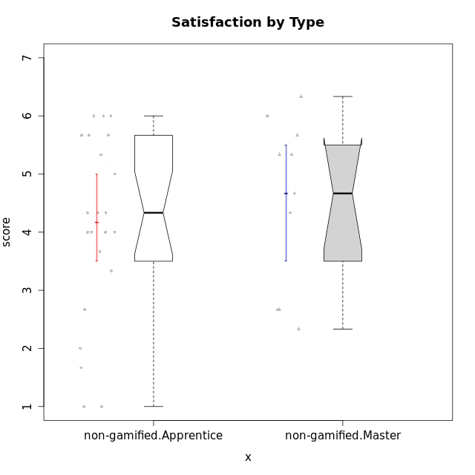

Wilcoxon data
UserID | NroUSP | Type | CLGroup | CLRole | PlayerRole | Item12A | Item19A | Item04A | Item20A | Item16A | Item01A | Item15R | Item21R | Item10R | Item08R | Item13S | Item14S | Item17S | Attention | Relevance | Satisfaction | Level of Motivation
10169 | 10377538 | non-gamified | Grupo Team 10 | Apprentice |  | 2 | 2 | 2 | 2 | 1 | 2 | 5 | 3 | 6 | 5 | 2 | 2 | 2 | 1.8333333333 | 3.25 | 2 | 2.3076923077
10170 | 10260351 | non-gamified | Grupo Team 6 | Apprentice |  | 5 | 5 | 5 | 3 | 6 | 4 | 4 | 2 | 2 | 4 | 5 | 4 | 3 | 4.6666666667 | 5 | 4 | 4.6153846154
10174 | 10276852 | non-gamified | Grupo Team 1 | Apprentice |  | 3 | 1 | 4 | 3 | 4 | 4 | 4 | 6 | 4 | 6 | 4 | 2 | 6 | 3.1666666667 | 3 | 4 | 3.3076923077
10175 | 10310700 | non-gamified | Grupo Team 6 | Master |  | 7 | 6 | 5 | 4 | 6 | 7 | 1 | 1 | 1 | 1 | 7 | 5 | 4 | 5.8333333333 | 7 | 5.3333333333 | 6.0769230769
10176 | 10276949 | non-gamified | Grupo Team 9 | Apprentice |  | 3 | 3 | 3 | 3 | 3 | 3 | 4 | 5 | 6 | 5 | 3 | 3 | 4 | 3 | 3 | 3.3333333333 | 3.0769230769
10178 | 8656201 | non-gamified | Grupo Team 11 | Apprentice |  | 5 | 5 | 5 | 5 | 5 | 4 | 3 | 2 | 2 | 6 | 5 | 4 | 4 | 4.8333333333 | 4.75 | 4.3333333333 | 4.6923076923
10181 | 10276866 | non-gamified | Grupo Team 7 | Apprentice |  | 5 | 1 | 5 | 4 | 5 | 5 | 5 | 4 | 3 | 3 | 3 | 5 | 3 | 4.1666666667 | 4.25 | 3.6666666667 | 4.0769230769
10183 | 10352030 | non-gamified | Grupo Belos | Apprentice | Yee Socializer | 3 | 5 | 2 | 2 | 3 | 4 | 4 | 4 | 6 | 4 | 4 | 4 | 4 | 3.1666666667 | 3.5 | 4 | 3.4615384615
10184 | 10276675 | non-gamified | Grupo Team 7 | Master |  | 6 | 4 | 6 | 6 | 6 | 5 | 3 | 2 | 2 | 1 | 6 | 6 | 4 | 5.5 | 6 | 5.3333333333 | 5.6153846154
10186 | 10310551 | non-gamified | Grupo Team 5 | Apprentice |  | 3 | 1 | 4 | 4 | 7 | 1 | 1 | 3 | 4 | 4 | 7 | 5 | 5 | 3.3333333333 | 5 | 5.6666666667 | 4.3846153846
10189 | 9363926 | non-gamified | Grupo Team 2 | Apprentice |  | 1 | 1 | 1 | 2 | 1 | 1 | 2 | 6 | 6 | 6 | 1 | 1 | 1 | 1.1666666667 | 3 | 1 | 1.6923076923
10190 | 10276907 | non-gamified | Grupo Team 8 | Apprentice |  | 1 | 1 | 4 | 1 | 3 | 3 | 1 | 5 | 6 | 1 | 7 | 7 | 4 | 2.1666666667 | 4.75 | 6 | 3.8461538462
10193 | 10276762 | non-gamified | Grupo Team 2 | Master |  | 4 | 4 | 3 | 3 | 5 | 3 | 6 | 3 | 4 | 1 | 2 | 4 | 2 | 3.6666666667 | 4.5 | 2.6666666667 | 3.6923076923
10196 | 10310655 | non-gamified | Grupo Team 5 | Apprentice |  | 4 | 4 | 1 | 4 | 5 | 4 | 4 | 5 | 6 | 4 | 4 | 5 | 4 | 3.6666666667 | 3.25 | 4.3333333333 | 3.6923076923
10197 | 10276661 | non-gamified | Grupo Team 11 | Master |  | 4 | 2 | 5 | 4 | 4 | 7 | 4 | 3 | 1 | 4 | 5 | 3 | 5 | 4.3333333333 | 5 | 4.3333333333 | 4.5384615385
10198 | 10310888 | non-gamified | Grupo Team 1 | Apprentice |  | 7 | 7 | 7 | 7 | 7 | 7 | 1 | 1 | 1 | 4 | 7 | 7 | 4 | 7 | 6.25 | 6 | 6.5384615385
10200 | 9795272 | non-gamified | Grupo Team 4 | Apprentice |  | 4 | 4 | 5 | 4 | 5 | 5 | 3 | 3 | 5 | 3 | 6 | 5 | 5 | 4.5 | 4.5 | 5.3333333333 | 4.6923076923
10201 | 10276928 | non-gamified | Grupo Team 10 | Master |  | 5 | 5 | 4 | 5 | 5 | 4 | 2 | 2 | 3 | 4 | 6 | 6 | 6 | 4.6666666667 | 5.25 | 6 | 5.1538461538
10204 | 10310471 | non-gamified | Grupo Team 5 | Master |  | 7 | 7 | 6 | 7 | 7 | 7 | 3 | 1 | 2 | 1 | 7 | 7 | 5 | 6.8333333333 | 6.25 | 6.3333333333 | 6.5384615385
10206 | 10310721 | non-gamified | Grupo Team 9 | Master |  | 3 | 4 | 5 | 3 | 4 | 4 | 4 | 2 | 2 | 5 | 4 | 5 | 5 | 3.8333333333 | 4.75 | 4.6666666667 | 4.3076923077
10209 | 10262669 | non-gamified | Grupo Team 1 | Master |  | 1 | 1 | 1 | 1 | 4 | 1 | 4 | 6 | 6 | 1 | 4 | 1 | 3 | 1.5 | 3.75 | 2.6666666667 | 2.4615384615
10213 | 10277040 | non-gamified | Grupo Team 8 | Master |  | 5 | 6 | 3 | 5 | 4 | 4 | 3 | 4 | 3 | 2 | 5 | 6 | 6 | 4.5 | 5 | 5.6666666667 | 4.9230769231
10215 | 9285227 | non-gamified | Grupo Team 7 | Apprentice |  | 3 | 4 | 4 | 4 | 6 | 6 | 1 | 1 | 1 | 1 | 6 | 5 | 2 | 4.5 | 7 | 4.3333333333 | 5.2307692308
10218 | 9842913 | non-gamified | Grupo Team 10 | Apprentice |  | 4 | 2 | 2 | 2 | 5 | 4 | 3 | 3 | 2 | 3 | 5 | 5 | 5 | 3.1666666667 | 5.25 | 5 | 4.2307692308
10220 | 9760151 | non-gamified | Grupo Team 4 | Apprentice |  | 1 | 1 | 1 | 4 | 1 | 1 | 1 | 1 | 1 | 1 | 7 | 7 | 4 | 1.5 | 7 | 6 | 4.2307692308
10221 | 9082496 | non-gamified | Grupo Team 3 | Apprentice |  | 3 | 4 | 2 | 4 | 4 | 4 | 5 | 5 | 6 | 2 | 2 | 3 | 3 | 3.5 | 3.5 | 2.6666666667 | 3.3076923077
10223 | 9795185 | non-gamified | Grupo Team 3 | Master |  | 2 | 3 | 1 | 3 | 2 | 1 | 6 | 6 | 5 | 4 | 2 | 2 | 3 | 2 | 2.75 | 2.3333333333 | 2.3076923077
10224 | 9368772 | non-gamified | Grupo Team 9 | Apprentice |  | 5 | 5 | 7 | 5 | 6 | 4 | 4 | 2 | 1 | 1 | 5 | 6 | 6 | 5.3333333333 | 6 | 5.6666666667 | 5.6153846154
10227 | 9274382 | non-gamified | Grupo Team 2 | Apprentice |  | 6 | 5 | 5 | 6 | 6 | 7 | 2 | 2 | 2 | 2 | 6 | 6 | 5 | 5.8333333333 | 6 | 5.6666666667 | 5.8461538462
10231 | 10276911 | non-gamified | Grupo Team 4 | Master |  | 2 | 2 | 4 | 2 | 2 | 3 | 2 | 5 | 4 | 1 | 6 | 4 | 4 | 2.5 | 5 | 4.6666666667 | 3.7692307692
10232 | 10276974 | non-gamified | Grupo Team 3 | Apprentice |  | 5 | 5 | 5 | 5 | 6 | 5 | 1 | 1 | 2 | 2 | 6 | 5 | 6 | 5.1666666667 | 6.5 | 5.6666666667 | 5.6923076923
10234 | 10310676 | non-gamified | Grupo Team 6 | Apprentice |  | 4 | 6 | 4 | 6 | 4 | 4 | 3 | 6 | 1 | 1 | 4 | 3 | 5 | 4.6666666667 | 5.25 | 4 | 4.6923076923
10240 | 10276654 | non-gamified | Grupo Team 8 | Apprentice |  | 2 | 2 | 2 | 2 | 2 | 2 | 5 | 5 | 5 | 4 | 1 | 2 | 2 | 2 | 3.25 | 1.6666666667 | 2.3076923077
10242 | 9424506 | non-gamified | Grupo Team 11 | Apprentice |  | 1 | 1 | 1 | 1 | 1 | 1 | 4 | 6 | 6 | 4 | 1 | 1 | 1 | 1 | 3 | 1 | 1.6153846154

Type_CLRole_2
Wilcoxon Analysis for Satisfaction by Type in Type:CLRole between non-gamified.Apprentice:ont-gamified.Apprentice

Wilcoxon test results
Alternative hypothesis: less
Group | N | Median | Mean.Ranks | Sum.Ranks | U | Z | p.value | r | magnitude
non-gamified.Apprentice | 23 | 4.3333333333 | 19.739130435 | 454 | 178 | -0.17217687108 | 0.43536447101 | 0.027570364494 | none
ont-gamified.Apprentice | 16 | 4.1666666667 | 20.375 | 326 | 178 | -0.17217687108 | 0.43536447101 | 0.027570364494 | none
Alternative hypothesis: greater
Group | N | Median | Mean.Ranks | Sum.Ranks | U | Z | p.value | r | magnitude
non-gamified.Apprentice | 23 | 4.3333333333 | 19.739130435 | 454 | 178 | -0.17217687108 | 0.57031988381 | 0.027570364494 | none
ont-gamified.Apprentice | 16 | 4.1666666667 | 20.375 | 326 | 178 | -0.17217687108 | 0.57031988381 | 0.027570364494 | none
Alternative hypothesis: two.sided
Group | N | Median | Mean.Ranks | Sum.Ranks | U | Z | p.value | r | magnitude
non-gamified.Apprentice | 23 | 4.3333333333 | 19.739130435 | 454 | 178 | -0.17217687108 | 0.87051471564 | 0.027570364494 | none
ont-gamified.Apprentice | 16 | 4.1666666667 | 20.375 | 326 | 178 | -0.17217687108 | 0.87051471564 | 0.027570364494 | none

Box plots for wilcoxon tests
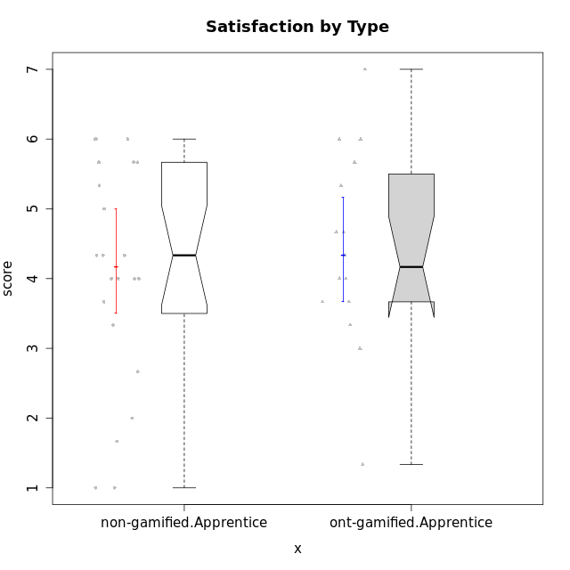

Wilcoxon data
UserID | NroUSP | Type | CLGroup | CLRole | PlayerRole | Item12A | Item19A | Item04A | Item20A | Item16A | Item01A | Item15R | Item21R | Item10R | Item08R | Item13S | Item14S | Item17S | Attention | Relevance | Satisfaction | Level of Motivation
10169 | 10377538 | non-gamified | Grupo Team 10 | Apprentice |  | 2 | 2 | 2 | 2 | 1 | 2 | 5 | 3 | 6 | 5 | 2 | 2 | 2 | 1.8333333333 | 3.25 | 2 | 2.3076923077
10170 | 10260351 | non-gamified | Grupo Team 6 | Apprentice |  | 5 | 5 | 5 | 3 | 6 | 4 | 4 | 2 | 2 | 4 | 5 | 4 | 3 | 4.6666666667 | 5 | 4 | 4.6153846154
10174 | 10276852 | non-gamified | Grupo Team 1 | Apprentice |  | 3 | 1 | 4 | 3 | 4 | 4 | 4 | 6 | 4 | 6 | 4 | 2 | 6 | 3.1666666667 | 3 | 4 | 3.3076923077
10176 | 10276949 | non-gamified | Grupo Team 9 | Apprentice |  | 3 | 3 | 3 | 3 | 3 | 3 | 4 | 5 | 6 | 5 | 3 | 3 | 4 | 3 | 3 | 3.3333333333 | 3.0769230769
10178 | 8656201 | non-gamified | Grupo Team 11 | Apprentice |  | 5 | 5 | 5 | 5 | 5 | 4 | 3 | 2 | 2 | 6 | 5 | 4 | 4 | 4.8333333333 | 4.75 | 4.3333333333 | 4.6923076923
10179 | 10310759 | ont-gamified | Grupo Tosskor | Apprentice | Yee Achiever | 4 | 4 | 4 | 4 | 5 | 4 | 2 | 3 | 3 | 3 | 5 | 3 | 5 | 4.1666666667 | 5.25 | 4.3333333333 | 4.5384615385
10181 | 10276866 | non-gamified | Grupo Team 7 | Apprentice |  | 5 | 1 | 5 | 4 | 5 | 5 | 5 | 4 | 3 | 3 | 3 | 5 | 3 | 4.1666666667 | 4.25 | 3.6666666667 | 4.0769230769
10183 | 10352030 | non-gamified | Grupo Belos | Apprentice | Yee Socializer | 3 | 5 | 2 | 2 | 3 | 4 | 4 | 4 | 6 | 4 | 4 | 4 | 4 | 3.1666666667 | 3.5 | 4 | 3.4615384615
10186 | 10310551 | non-gamified | Grupo Team 5 | Apprentice |  | 3 | 1 | 4 | 4 | 7 | 1 | 1 | 3 | 4 | 4 | 7 | 5 | 5 | 3.3333333333 | 5 | 5.6666666667 | 4.3846153846
10187 | 9790781 | ont-gamified | Grupo Razorg | Apprentice | Yee Achiever | 4 | 4 | 4 | 5 | 4 | 6 | 5 | 6 | 5 | 5 | 5 | 5 | 4 | 4.5 | 2.75 | 4.6666666667 | 4
10189 | 9363926 | non-gamified | Grupo Team 2 | Apprentice |  | 1 | 1 | 1 | 2 | 1 | 1 | 2 | 6 | 6 | 6 | 1 | 1 | 1 | 1.1666666667 | 3 | 1 | 1.6923076923
10190 | 10276907 | non-gamified | Grupo Team 8 | Apprentice |  | 1 | 1 | 4 | 1 | 3 | 3 | 1 | 5 | 6 | 1 | 7 | 7 | 4 | 2.1666666667 | 4.75 | 6 | 3.8461538462
10191 | 10276981 | ont-gamified | Grupo Yeka | Apprentice | Yee Socializer | 6 | 7 | 6 | 6 | 5 | 6 | 4 | 2 | 1 | 2 | 6 | 6 | 6 | 6 | 5.75 | 6 | 5.9230769231
10192 | 10276682 | ont-gamified | Grupo Yeka | Apprentice | Yee Socializer | 7 | 7 | 7 | 7 | 7 | 7 | 1 | 1 | 6 | 1 | 7 | 7 | 4 | 7 | 5.75 | 6 | 6.3846153846
10196 | 10310655 | non-gamified | Grupo Team 5 | Apprentice |  | 4 | 4 | 1 | 4 | 5 | 4 | 4 | 5 | 6 | 4 | 4 | 5 | 4 | 3.6666666667 | 3.25 | 4.3333333333 | 3.6923076923
10198 | 10310888 | non-gamified | Grupo Team 1 | Apprentice |  | 7 | 7 | 7 | 7 | 7 | 7 | 1 | 1 | 1 | 4 | 7 | 7 | 4 | 7 | 6.25 | 6 | 6.5384615385
10200 | 9795272 | non-gamified | Grupo Team 4 | Apprentice |  | 4 | 4 | 5 | 4 | 5 | 5 | 3 | 3 | 5 | 3 | 6 | 5 | 5 | 4.5 | 4.5 | 5.3333333333 | 4.6923076923
10202 | 10277036 | ont-gamified | Grupo Paldira | Apprentice | Yee Achiever | 4 | 3 | 4 | 4 | 4 | 5 | 4 | 4 | 4 | 6 | 4 | 4 | 4 | 4 | 3.5 | 4 | 3.8461538462
10203 | 9921470 | ont-gamified | Grupo Paldira | Apprentice | Yee Achiever | 7 | 7 | 7 | 7 | 7 | 7 | 1 | 1 | 1 | 1 | 7 | 7 | 7 | 7 | 7 | 7 | 7
10210 | 10277015 | ont-gamified | Grupo Losvakai | Apprentice | Yee Achiever | 4 | 2 | 4 | 3 | 2 | 4 | 2 | 6 | 3 | 2 | 2 | 6 | 3 | 3.1666666667 | 4.75 | 3.6666666667 | 3.7692307692
10212 | 9065750 | ont-gamified | Grupo Ellaru | Apprentice | Yee Socializer | 3 | 4 | 4 | 3 | 4 | 2 | 3 | 3 | 4 | 2 | 4 | 2 | 3 | 3.3333333333 | 5 | 3 | 3.7692307692
10214 | 10277022 | ont-gamified | Grupo Koil | Apprentice | Yee Achiever | 4 | 5 | 5 | 4 | 5 | 4 | 3 | 2 | 2 | 2 | 3 | 4 | 4 | 4.5 | 5.75 | 3.6666666667 | 4.6923076923
10215 | 9285227 | non-gamified | Grupo Team 7 | Apprentice |  | 3 | 4 | 4 | 4 | 6 | 6 | 1 | 1 | 1 | 1 | 6 | 5 | 2 | 4.5 | 7 | 4.3333333333 | 5.2307692308
10218 | 9842913 | non-gamified | Grupo Team 10 | Apprentice |  | 4 | 2 | 2 | 2 | 5 | 4 | 3 | 3 | 2 | 3 | 5 | 5 | 5 | 3.1666666667 | 5.25 | 5 | 4.2307692308
10219 | 10276831 | ont-gamified | Grupo Razorg | Apprentice | Yee Achiever | 5 | 4 | 1 | 3 | 2 | 1 | 7 | 6 | 4 | 4 | 4 | 2 | 4 | 2.6666666667 | 2.75 | 3.3333333333 | 2.8461538462
10220 | 9760151 | non-gamified | Grupo Team 4 | Apprentice |  | 1 | 1 | 1 | 4 | 1 | 1 | 1 | 1 | 1 | 1 | 7 | 7 | 4 | 1.5 | 7 | 6 | 4.2307692308
10221 | 9082496 | non-gamified | Grupo Team 3 | Apprentice |  | 3 | 4 | 2 | 4 | 4 | 4 | 5 | 5 | 6 | 2 | 2 | 3 | 3 | 3.5 | 3.5 | 2.6666666667 | 3.3076923077
10224 | 9368772 | non-gamified | Grupo Team 9 | Apprentice |  | 5 | 5 | 7 | 5 | 6 | 4 | 4 | 2 | 1 | 1 | 5 | 6 | 6 | 5.3333333333 | 6 | 5.6666666667 | 5.6153846154
10226 | 10310342 | ont-gamified | Grupo Yeka | Apprentice | Yee Socializer | 6 | 5 | 4 | 5 | 4 | 6 | 2 | 1 | 1 | 3 | 6 | 5 | 6 | 5 | 6.25 | 5.6666666667 | 5.5384615385
10227 | 9274382 | non-gamified | Grupo Team 2 | Apprentice |  | 6 | 5 | 5 | 6 | 6 | 7 | 2 | 2 | 2 | 2 | 6 | 6 | 5 | 5.8333333333 | 6 | 5.6666666667 | 5.8461538462
10228 | 10310492 | ont-gamified | Grupo Losvakai | Apprentice | Yee Achiever | 5 | 4 | 4 | 4 | 4 | 4 | 4 | 3 | 3 | 3 | 4 | 4 | 4 | 4.1666666667 | 4.75 | 4 | 4.3076923077
10230 | 10351992 | ont-gamified | Grupo Koil | Apprentice | Yee Achiever | 5 | 7 | 7 | 6 | 6 | 6 | 1 | 3 | 3 | 1 | 4 | 5 | 7 | 6.1666666667 | 6 | 5.3333333333 | 5.9230769231
10232 | 10276974 | non-gamified | Grupo Team 3 | Apprentice |  | 5 | 5 | 5 | 5 | 6 | 5 | 1 | 1 | 2 | 2 | 6 | 5 | 6 | 5.1666666667 | 6.5 | 5.6666666667 | 5.6923076923
10233 | 9805320 | ont-gamified | Grupo Tosskor | Apprentice | Yee Achiever | 4 | 6 | 3 | 7 | 4 | 2 | 6 | 5 | 5 | 4 | 1 | 2 | 1 | 4.3333333333 | 3 | 1.3333333333 | 3.2307692308
10234 | 10310676 | non-gamified | Grupo Team 6 | Apprentice |  | 4 | 6 | 4 | 6 | 4 | 4 | 3 | 6 | 1 | 1 | 4 | 3 | 5 | 4.6666666667 | 5.25 | 4 | 4.6923076923
10237 | 10377688 | ont-gamified | Grupo Ellaru | Apprentice | Yee Socializer | 4 | 4 | 3 | 3 | 5 | 4 | 2 | 3 | 2 | 1 | 3 | 5 | 3 | 3.8333333333 | 6 | 3.6666666667 | 4.4615384615
10238 | 10276953 | ont-gamified | Grupo Belos | Apprentice | Yee Socializer | 5 | 5 | 4 | 4 | 5 | 4 | 3 | 4 | 4 | 4 | 5 | 5 | 4 | 4.5 | 4.25 | 4.6666666667 | 4.4615384615
10240 | 10276654 | non-gamified | Grupo Team 8 | Apprentice |  | 2 | 2 | 2 | 2 | 2 | 2 | 5 | 5 | 5 | 4 | 1 | 2 | 2 | 2 | 3.25 | 1.6666666667 | 2.3076923077
10242 | 9424506 | non-gamified | Grupo Team 11 | Apprentice |  | 1 | 1 | 1 | 1 | 1 | 1 | 4 | 6 | 6 | 4 | 1 | 1 | 1 | 1 | 3 | 1 | 1.6153846154

Type_CLRole_3
Wilcoxon Analysis for Satisfaction by Type in Type:CLRole between non-gamified.Apprentice:ont-gamified.Master

Wilcoxon test results
Alternative hypothesis: less
Group | N | Median | Mean.Ranks | Sum.Ranks | U | Z | p.value | r | magnitude
non-gamified.Apprentice | 23 | 4.3333333333 | 16.413043478 | 377.5 | 101.5 | 0.43092112385 | 0.66750330377 | 0.077395718599 | none
ont-gamified.Master | 8 | 4.3333333333 | 14.8125 | 118.5 | 101.5 | 0.43092112385 | 0.66750330377 | 0.077395718599 | none
Alternative hypothesis: greater
Group | N | Median | Mean.Ranks | Sum.Ranks | U | Z | p.value | r | magnitude
non-gamified.Apprentice | 23 | 4.3333333333 | 16.413043478 | 377.5 | 101.5 | 0.43092112385 | 0.34015699622 | 0.077395718599 | none
ont-gamified.Master | 8 | 4.3333333333 | 14.8125 | 118.5 | 101.5 | 0.43092112385 | 0.34015699622 | 0.077395718599 | none
Alternative hypothesis: two.sided
Group | N | Median | Mean.Ranks | Sum.Ranks | U | Z | p.value | r | magnitude
non-gamified.Apprentice | 23 | 4.3333333333 | 16.413043478 | 377.5 | 101.5 | 0.43092112385 | 0.68047333378 | 0.077395718599 | none
ont-gamified.Master | 8 | 4.3333333333 | 14.8125 | 118.5 | 101.5 | 0.43092112385 | 0.68047333378 | 0.077395718599 | none

Box plots for wilcoxon tests
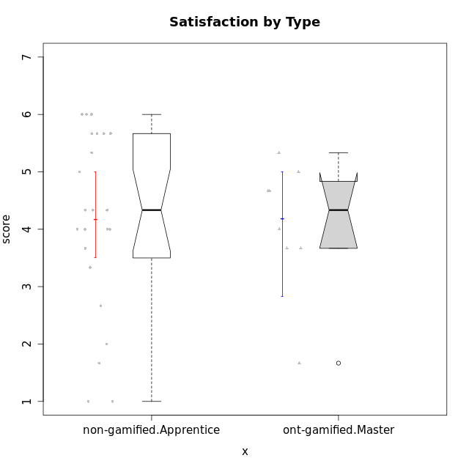

Wilcoxon data
UserID | NroUSP | Type | CLGroup | CLRole | PlayerRole | Item12A | Item19A | Item04A | Item20A | Item16A | Item01A | Item15R | Item21R | Item10R | Item08R | Item13S | Item14S | Item17S | Attention | Relevance | Satisfaction | Level of Motivation
10169 | 10377538 | non-gamified | Grupo Team 10 | Apprentice |  | 2 | 2 | 2 | 2 | 1 | 2 | 5 | 3 | 6 | 5 | 2 | 2 | 2 | 1.8333333333 | 3.25 | 2 | 2.3076923077
10170 | 10260351 | non-gamified | Grupo Team 6 | Apprentice |  | 5 | 5 | 5 | 3 | 6 | 4 | 4 | 2 | 2 | 4 | 5 | 4 | 3 | 4.6666666667 | 5 | 4 | 4.6153846154
10171 | 698531 | ont-gamified | Grupo Losvakai | Master | Yee Achiever | 5 | 5 | 5 | 4 | 5 | 5 | 2 | 1 | 1 | 1 | 5 | 6 | 5 | 4.8333333333 | 6.75 | 5.3333333333 | 5.5384615385
10172 | 10273971 | ont-gamified | Grupo Koil | Master | Yee Achiever | 4 | 5 | 6 | 5 | 3 | 6 | 3 | 2 | 2 | 3 | 5 | 4 | 2 | 4.8333333333 | 5.5 | 3.6666666667 | 4.7692307692
10174 | 10276852 | non-gamified | Grupo Team 1 | Apprentice |  | 3 | 1 | 4 | 3 | 4 | 4 | 4 | 6 | 4 | 6 | 4 | 2 | 6 | 3.1666666667 | 3 | 4 | 3.3076923077
10176 | 10276949 | non-gamified | Grupo Team 9 | Apprentice |  | 3 | 3 | 3 | 3 | 3 | 3 | 4 | 5 | 6 | 5 | 3 | 3 | 4 | 3 | 3 | 3.3333333333 | 3.0769230769
10178 | 8656201 | non-gamified | Grupo Team 11 | Apprentice |  | 5 | 5 | 5 | 5 | 5 | 4 | 3 | 2 | 2 | 6 | 5 | 4 | 4 | 4.8333333333 | 4.75 | 4.3333333333 | 4.6923076923
10181 | 10276866 | non-gamified | Grupo Team 7 | Apprentice |  | 5 | 1 | 5 | 4 | 5 | 5 | 5 | 4 | 3 | 3 | 3 | 5 | 3 | 4.1666666667 | 4.25 | 3.6666666667 | 4.0769230769
10183 | 10352030 | non-gamified | Grupo Belos | Apprentice | Yee Socializer | 3 | 5 | 2 | 2 | 3 | 4 | 4 | 4 | 6 | 4 | 4 | 4 | 4 | 3.1666666667 | 3.5 | 4 | 3.4615384615
10185 | 10276960 | ont-gamified | Grupo Tosskor | Master | Yee Achiever | 4 | 5 | 5 | 3 | 4 | 4 | 4 | 4 | 3 | 2 | 4 | 4 | 4 | 4.1666666667 | 4.75 | 4 | 4.3076923077
10186 | 10310551 | non-gamified | Grupo Team 5 | Apprentice |  | 3 | 1 | 4 | 4 | 7 | 1 | 1 | 3 | 4 | 4 | 7 | 5 | 5 | 3.3333333333 | 5 | 5.6666666667 | 4.3846153846
10188 | 10276995 | ont-gamified | Grupo Paldira | Master | Yee Achiever | 5 | 3 | 5 | 4 | 4 | 4 | 4 | 4 | 2 | 1 | 5 | 4 | 5 | 4.1666666667 | 5.25 | 4.6666666667 | 4.6153846154
10189 | 9363926 | non-gamified | Grupo Team 2 | Apprentice |  | 1 | 1 | 1 | 2 | 1 | 1 | 2 | 6 | 6 | 6 | 1 | 1 | 1 | 1.1666666667 | 3 | 1 | 1.6923076923
10190 | 10276907 | non-gamified | Grupo Team 8 | Apprentice |  | 1 | 1 | 4 | 1 | 3 | 3 | 1 | 5 | 6 | 1 | 7 | 7 | 4 | 2.1666666667 | 4.75 | 6 | 3.8461538462
10196 | 10310655 | non-gamified | Grupo Team 5 | Apprentice |  | 4 | 4 | 1 | 4 | 5 | 4 | 4 | 5 | 6 | 4 | 4 | 5 | 4 | 3.6666666667 | 3.25 | 4.3333333333 | 3.6923076923
10198 | 10310888 | non-gamified | Grupo Team 1 | Apprentice |  | 7 | 7 | 7 | 7 | 7 | 7 | 1 | 1 | 1 | 4 | 7 | 7 | 4 | 7 | 6.25 | 6 | 6.5384615385
10200 | 9795272 | non-gamified | Grupo Team 4 | Apprentice |  | 4 | 4 | 5 | 4 | 5 | 5 | 3 | 3 | 5 | 3 | 6 | 5 | 5 | 4.5 | 4.5 | 5.3333333333 | 4.6923076923
10208 | 10276932 | ont-gamified | Grupo Yeka | Master | Yee Socializer | 3 | 5 | 3 | 4 | 4 | 4 | 4 | 4 | 6 | 3 | 3 | 4 | 4 | 3.8333333333 | 3.75 | 3.6666666667 | 3.7692307692
10211 | 9311643 | ont-gamified | Grupo Razorg | Master | Yee Achiever | 2 | 1 | 1 | 1 | 2 | 1 | 5 | 4 | 5 | 1 | 2 | 2 | 1 | 1.3333333333 | 4.25 | 1.6666666667 | 2.3076923077
10215 | 9285227 | non-gamified | Grupo Team 7 | Apprentice |  | 3 | 4 | 4 | 4 | 6 | 6 | 1 | 1 | 1 | 1 | 6 | 5 | 2 | 4.5 | 7 | 4.3333333333 | 5.2307692308
10216 | 10276720 | ont-gamified | Grupo Ellaru | Master | Yee Socializer | 3 | 7 | 5 | 2 | 4 | 2 | 5 | 3 | 3 | 1 | 4 | 6 | 4 | 3.8333333333 | 5 | 4.6666666667 | 4.3846153846
10217 | 9805341 | ont-gamified | Grupo Belos | Master | Yee Socializer | 4 | 4 | 6 | 5 | 5 | 5 | 3 | 2 | 2 | 2 | 5 | 6 | 4 | 4.8333333333 | 5.75 | 5 | 5.1538461538
10218 | 9842913 | non-gamified | Grupo Team 10 | Apprentice |  | 4 | 2 | 2 | 2 | 5 | 4 | 3 | 3 | 2 | 3 | 5 | 5 | 5 | 3.1666666667 | 5.25 | 5 | 4.2307692308
10220 | 9760151 | non-gamified | Grupo Team 4 | Apprentice |  | 1 | 1 | 1 | 4 | 1 | 1 | 1 | 1 | 1 | 1 | 7 | 7 | 4 | 1.5 | 7 | 6 | 4.2307692308
10221 | 9082496 | non-gamified | Grupo Team 3 | Apprentice |  | 3 | 4 | 2 | 4 | 4 | 4 | 5 | 5 | 6 | 2 | 2 | 3 | 3 | 3.5 | 3.5 | 2.6666666667 | 3.3076923077
10224 | 9368772 | non-gamified | Grupo Team 9 | Apprentice |  | 5 | 5 | 7 | 5 | 6 | 4 | 4 | 2 | 1 | 1 | 5 | 6 | 6 | 5.3333333333 | 6 | 5.6666666667 | 5.6153846154
10227 | 9274382 | non-gamified | Grupo Team 2 | Apprentice |  | 6 | 5 | 5 | 6 | 6 | 7 | 2 | 2 | 2 | 2 | 6 | 6 | 5 | 5.8333333333 | 6 | 5.6666666667 | 5.8461538462
10232 | 10276974 | non-gamified | Grupo Team 3 | Apprentice |  | 5 | 5 | 5 | 5 | 6 | 5 | 1 | 1 | 2 | 2 | 6 | 5 | 6 | 5.1666666667 | 6.5 | 5.6666666667 | 5.6923076923
10234 | 10310676 | non-gamified | Grupo Team 6 | Apprentice |  | 4 | 6 | 4 | 6 | 4 | 4 | 3 | 6 | 1 | 1 | 4 | 3 | 5 | 4.6666666667 | 5.25 | 4 | 4.6923076923
10240 | 10276654 | non-gamified | Grupo Team 8 | Apprentice |  | 2 | 2 | 2 | 2 | 2 | 2 | 5 | 5 | 5 | 4 | 1 | 2 | 2 | 2 | 3.25 | 1.6666666667 | 2.3076923077
10242 | 9424506 | non-gamified | Grupo Team 11 | Apprentice |  | 1 | 1 | 1 | 1 | 1 | 1 | 4 | 6 | 6 | 4 | 1 | 1 | 1 | 1 | 3 | 1 | 1.6153846154

Type_CLRole_4
Wilcoxon Analysis for Satisfaction by Type in Type:CLRole between non-gamified.Master:ont-gamified.Apprentice

Wilcoxon test results
Alternative hypothesis: less
Group | N | Median | Mean.Ranks | Sum.Ranks | U | Z | p.value | r | magnitude
non-gamified.Master | 11 | 4.6666666667 | 14.727272727 | 162 | 96 | 0.39634695545 | 0.6562137523 | 0.07627700714 | none
ont-gamified.Apprentice | 16 | 4.1666666667 | 13.5 | 216 | 96 | 0.39634695545 | 0.6562137523 | 0.07627700714 | none
Alternative hypothesis: greater
Group | N | Median | Mean.Ranks | Sum.Ranks | U | Z | p.value | r | magnitude
non-gamified.Master | 11 | 4.6666666667 | 14.727272727 | 162 | 96 | 0.39634695545 | 0.35307555399 | 0.07627700714 | none
ont-gamified.Apprentice | 16 | 4.1666666667 | 13.5 | 216 | 96 | 0.39634695545 | 0.35307555399 | 0.07627700714 | none
Alternative hypothesis: two.sided
Group | N | Median | Mean.Ranks | Sum.Ranks | U | Z | p.value | r | magnitude
non-gamified.Master | 11 | 4.6666666667 | 14.727272727 | 162 | 96 | 0.39634695545 | 0.70597761372 | 0.07627700714 | none
ont-gamified.Apprentice | 16 | 4.1666666667 | 13.5 | 216 | 96 | 0.39634695545 | 0.70597761372 | 0.07627700714 | none

Box plots for wilcoxon tests
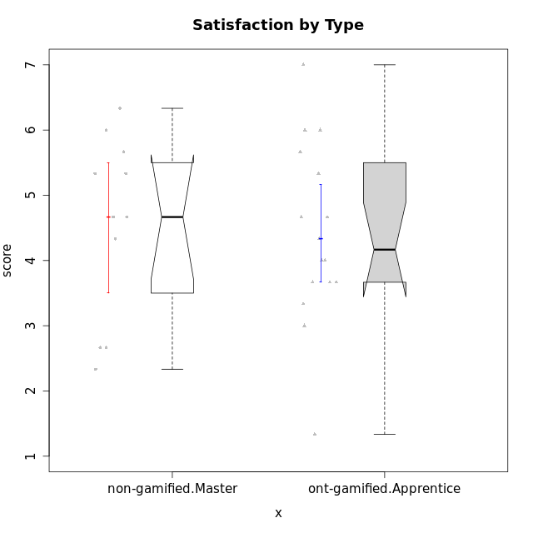

Wilcoxon data
UserID | NroUSP | Type | CLGroup | CLRole | PlayerRole | Item12A | Item19A | Item04A | Item20A | Item16A | Item01A | Item15R | Item21R | Item10R | Item08R | Item13S | Item14S | Item17S | Attention | Relevance | Satisfaction | Level of Motivation
10175 | 10310700 | non-gamified | Grupo Team 6 | Master |  | 7 | 6 | 5 | 4 | 6 | 7 | 1 | 1 | 1 | 1 | 7 | 5 | 4 | 5.8333333333 | 7 | 5.3333333333 | 6.0769230769
10179 | 10310759 | ont-gamified | Grupo Tosskor | Apprentice | Yee Achiever | 4 | 4 | 4 | 4 | 5 | 4 | 2 | 3 | 3 | 3 | 5 | 3 | 5 | 4.1666666667 | 5.25 | 4.3333333333 | 4.5384615385
10184 | 10276675 | non-gamified | Grupo Team 7 | Master |  | 6 | 4 | 6 | 6 | 6 | 5 | 3 | 2 | 2 | 1 | 6 | 6 | 4 | 5.5 | 6 | 5.3333333333 | 5.6153846154
10187 | 9790781 | ont-gamified | Grupo Razorg | Apprentice | Yee Achiever | 4 | 4 | 4 | 5 | 4 | 6 | 5 | 6 | 5 | 5 | 5 | 5 | 4 | 4.5 | 2.75 | 4.6666666667 | 4
10191 | 10276981 | ont-gamified | Grupo Yeka | Apprentice | Yee Socializer | 6 | 7 | 6 | 6 | 5 | 6 | 4 | 2 | 1 | 2 | 6 | 6 | 6 | 6 | 5.75 | 6 | 5.9230769231
10192 | 10276682 | ont-gamified | Grupo Yeka | Apprentice | Yee Socializer | 7 | 7 | 7 | 7 | 7 | 7 | 1 | 1 | 6 | 1 | 7 | 7 | 4 | 7 | 5.75 | 6 | 6.3846153846
10193 | 10276762 | non-gamified | Grupo Team 2 | Master |  | 4 | 4 | 3 | 3 | 5 | 3 | 6 | 3 | 4 | 1 | 2 | 4 | 2 | 3.6666666667 | 4.5 | 2.6666666667 | 3.6923076923
10197 | 10276661 | non-gamified | Grupo Team 11 | Master |  | 4 | 2 | 5 | 4 | 4 | 7 | 4 | 3 | 1 | 4 | 5 | 3 | 5 | 4.3333333333 | 5 | 4.3333333333 | 4.5384615385
10201 | 10276928 | non-gamified | Grupo Team 10 | Master |  | 5 | 5 | 4 | 5 | 5 | 4 | 2 | 2 | 3 | 4 | 6 | 6 | 6 | 4.6666666667 | 5.25 | 6 | 5.1538461538
10202 | 10277036 | ont-gamified | Grupo Paldira | Apprentice | Yee Achiever | 4 | 3 | 4 | 4 | 4 | 5 | 4 | 4 | 4 | 6 | 4 | 4 | 4 | 4 | 3.5 | 4 | 3.8461538462
10203 | 9921470 | ont-gamified | Grupo Paldira | Apprentice | Yee Achiever | 7 | 7 | 7 | 7 | 7 | 7 | 1 | 1 | 1 | 1 | 7 | 7 | 7 | 7 | 7 | 7 | 7
10204 | 10310471 | non-gamified | Grupo Team 5 | Master |  | 7 | 7 | 6 | 7 | 7 | 7 | 3 | 1 | 2 | 1 | 7 | 7 | 5 | 6.8333333333 | 6.25 | 6.3333333333 | 6.5384615385
10206 | 10310721 | non-gamified | Grupo Team 9 | Master |  | 3 | 4 | 5 | 3 | 4 | 4 | 4 | 2 | 2 | 5 | 4 | 5 | 5 | 3.8333333333 | 4.75 | 4.6666666667 | 4.3076923077
10209 | 10262669 | non-gamified | Grupo Team 1 | Master |  | 1 | 1 | 1 | 1 | 4 | 1 | 4 | 6 | 6 | 1 | 4 | 1 | 3 | 1.5 | 3.75 | 2.6666666667 | 2.4615384615
10210 | 10277015 | ont-gamified | Grupo Losvakai | Apprentice | Yee Achiever | 4 | 2 | 4 | 3 | 2 | 4 | 2 | 6 | 3 | 2 | 2 | 6 | 3 | 3.1666666667 | 4.75 | 3.6666666667 | 3.7692307692
10212 | 9065750 | ont-gamified | Grupo Ellaru | Apprentice | Yee Socializer | 3 | 4 | 4 | 3 | 4 | 2 | 3 | 3 | 4 | 2 | 4 | 2 | 3 | 3.3333333333 | 5 | 3 | 3.7692307692
10213 | 10277040 | non-gamified | Grupo Team 8 | Master |  | 5 | 6 | 3 | 5 | 4 | 4 | 3 | 4 | 3 | 2 | 5 | 6 | 6 | 4.5 | 5 | 5.6666666667 | 4.9230769231
10214 | 10277022 | ont-gamified | Grupo Koil | Apprentice | Yee Achiever | 4 | 5 | 5 | 4 | 5 | 4 | 3 | 2 | 2 | 2 | 3 | 4 | 4 | 4.5 | 5.75 | 3.6666666667 | 4.6923076923
10219 | 10276831 | ont-gamified | Grupo Razorg | Apprentice | Yee Achiever | 5 | 4 | 1 | 3 | 2 | 1 | 7 | 6 | 4 | 4 | 4 | 2 | 4 | 2.6666666667 | 2.75 | 3.3333333333 | 2.8461538462
10223 | 9795185 | non-gamified | Grupo Team 3 | Master |  | 2 | 3 | 1 | 3 | 2 | 1 | 6 | 6 | 5 | 4 | 2 | 2 | 3 | 2 | 2.75 | 2.3333333333 | 2.3076923077
10226 | 10310342 | ont-gamified | Grupo Yeka | Apprentice | Yee Socializer | 6 | 5 | 4 | 5 | 4 | 6 | 2 | 1 | 1 | 3 | 6 | 5 | 6 | 5 | 6.25 | 5.6666666667 | 5.5384615385
10228 | 10310492 | ont-gamified | Grupo Losvakai | Apprentice | Yee Achiever | 5 | 4 | 4 | 4 | 4 | 4 | 4 | 3 | 3 | 3 | 4 | 4 | 4 | 4.1666666667 | 4.75 | 4 | 4.3076923077
10230 | 10351992 | ont-gamified | Grupo Koil | Apprentice | Yee Achiever | 5 | 7 | 7 | 6 | 6 | 6 | 1 | 3 | 3 | 1 | 4 | 5 | 7 | 6.1666666667 | 6 | 5.3333333333 | 5.9230769231
10231 | 10276911 | non-gamified | Grupo Team 4 | Master |  | 2 | 2 | 4 | 2 | 2 | 3 | 2 | 5 | 4 | 1 | 6 | 4 | 4 | 2.5 | 5 | 4.6666666667 | 3.7692307692
10233 | 9805320 | ont-gamified | Grupo Tosskor | Apprentice | Yee Achiever | 4 | 6 | 3 | 7 | 4 | 2 | 6 | 5 | 5 | 4 | 1 | 2 | 1 | 4.3333333333 | 3 | 1.3333333333 | 3.2307692308
10237 | 10377688 | ont-gamified | Grupo Ellaru | Apprentice | Yee Socializer | 4 | 4 | 3 | 3 | 5 | 4 | 2 | 3 | 2 | 1 | 3 | 5 | 3 | 3.8333333333 | 6 | 3.6666666667 | 4.4615384615
10238 | 10276953 | ont-gamified | Grupo Belos | Apprentice | Yee Socializer | 5 | 5 | 4 | 4 | 5 | 4 | 3 | 4 | 4 | 4 | 5 | 5 | 4 | 4.5 | 4.25 | 4.6666666667 | 4.4615384615

Type_CLRole_5
Wilcoxon Analysis for Satisfaction by Type in Type:CLRole between non-gamified.Master:ont-gamified.Master

Wilcoxon test results
Alternative hypothesis: less
Group | N | Median | Mean.Ranks | Sum.Ranks | U | Z | p.value | r | magnitude
non-gamified.Master | 11 | 4.6666666667 | 11.090909091 | 122 | 56 | 0.99789490496 | 0.84145696065 | 0.22893279195 | small
ont-gamified.Master | 8 | 4.3333333333 | 8.5 | 68 | 56 | 0.99789490496 | 0.84145696065 | 0.22893279195 | small
Alternative hypothesis: greater
Group | N | Median | Mean.Ranks | Sum.Ranks | U | Z | p.value | r | magnitude
non-gamified.Master | 11 | 4.6666666667 | 11.090909091 | 122 | 56 | 0.99789490496 | 0.16865126617 | 0.22893279195 | small
ont-gamified.Master | 8 | 4.3333333333 | 8.5 | 68 | 56 | 0.99789490496 | 0.16865126617 | 0.22893279195 | small
Alternative hypothesis: two.sided
Group | N | Median | Mean.Ranks | Sum.Ranks | U | Z | p.value | r | magnitude
non-gamified.Master | 11 | 4.6666666667 | 11.090909091 | 122 | 56 | 0.99789490496 | 0.33731576301 | 0.22893279195 | small
ont-gamified.Master | 8 | 4.3333333333 | 8.5 | 68 | 56 | 0.99789490496 | 0.33731576301 | 0.22893279195 | small

Box plots for wilcoxon tests
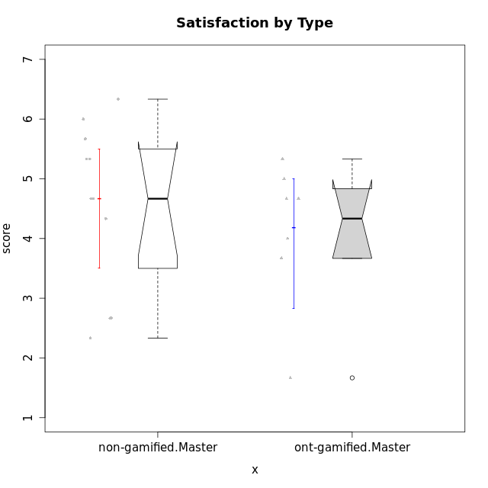

Wilcoxon data
UserID | NroUSP | Type | CLGroup | CLRole | PlayerRole | Item12A | Item19A | Item04A | Item20A | Item16A | Item01A | Item15R | Item21R | Item10R | Item08R | Item13S | Item14S | Item17S | Attention | Relevance | Satisfaction | Level of Motivation
10171 | 698531 | ont-gamified | Grupo Losvakai | Master | Yee Achiever | 5 | 5 | 5 | 4 | 5 | 5 | 2 | 1 | 1 | 1 | 5 | 6 | 5 | 4.8333333333 | 6.75 | 5.3333333333 | 5.5384615385
10172 | 10273971 | ont-gamified | Grupo Koil | Master | Yee Achiever | 4 | 5 | 6 | 5 | 3 | 6 | 3 | 2 | 2 | 3 | 5 | 4 | 2 | 4.8333333333 | 5.5 | 3.6666666667 | 4.7692307692
10175 | 10310700 | non-gamified | Grupo Team 6 | Master |  | 7 | 6 | 5 | 4 | 6 | 7 | 1 | 1 | 1 | 1 | 7 | 5 | 4 | 5.8333333333 | 7 | 5.3333333333 | 6.0769230769
10184 | 10276675 | non-gamified | Grupo Team 7 | Master |  | 6 | 4 | 6 | 6 | 6 | 5 | 3 | 2 | 2 | 1 | 6 | 6 | 4 | 5.5 | 6 | 5.3333333333 | 5.6153846154
10185 | 10276960 | ont-gamified | Grupo Tosskor | Master | Yee Achiever | 4 | 5 | 5 | 3 | 4 | 4 | 4 | 4 | 3 | 2 | 4 | 4 | 4 | 4.1666666667 | 4.75 | 4 | 4.3076923077
10188 | 10276995 | ont-gamified | Grupo Paldira | Master | Yee Achiever | 5 | 3 | 5 | 4 | 4 | 4 | 4 | 4 | 2 | 1 | 5 | 4 | 5 | 4.1666666667 | 5.25 | 4.6666666667 | 4.6153846154
10193 | 10276762 | non-gamified | Grupo Team 2 | Master |  | 4 | 4 | 3 | 3 | 5 | 3 | 6 | 3 | 4 | 1 | 2 | 4 | 2 | 3.6666666667 | 4.5 | 2.6666666667 | 3.6923076923
10197 | 10276661 | non-gamified | Grupo Team 11 | Master |  | 4 | 2 | 5 | 4 | 4 | 7 | 4 | 3 | 1 | 4 | 5 | 3 | 5 | 4.3333333333 | 5 | 4.3333333333 | 4.5384615385
10201 | 10276928 | non-gamified | Grupo Team 10 | Master |  | 5 | 5 | 4 | 5 | 5 | 4 | 2 | 2 | 3 | 4 | 6 | 6 | 6 | 4.6666666667 | 5.25 | 6 | 5.1538461538
10204 | 10310471 | non-gamified | Grupo Team 5 | Master |  | 7 | 7 | 6 | 7 | 7 | 7 | 3 | 1 | 2 | 1 | 7 | 7 | 5 | 6.8333333333 | 6.25 | 6.3333333333 | 6.5384615385
10206 | 10310721 | non-gamified | Grupo Team 9 | Master |  | 3 | 4 | 5 | 3 | 4 | 4 | 4 | 2 | 2 | 5 | 4 | 5 | 5 | 3.8333333333 | 4.75 | 4.6666666667 | 4.3076923077
10208 | 10276932 | ont-gamified | Grupo Yeka | Master | Yee Socializer | 3 | 5 | 3 | 4 | 4 | 4 | 4 | 4 | 6 | 3 | 3 | 4 | 4 | 3.8333333333 | 3.75 | 3.6666666667 | 3.7692307692
10209 | 10262669 | non-gamified | Grupo Team 1 | Master |  | 1 | 1 | 1 | 1 | 4 | 1 | 4 | 6 | 6 | 1 | 4 | 1 | 3 | 1.5 | 3.75 | 2.6666666667 | 2.4615384615
10211 | 9311643 | ont-gamified | Grupo Razorg | Master | Yee Achiever | 2 | 1 | 1 | 1 | 2 | 1 | 5 | 4 | 5 | 1 | 2 | 2 | 1 | 1.3333333333 | 4.25 | 1.6666666667 | 2.3076923077
10213 | 10277040 | non-gamified | Grupo Team 8 | Master |  | 5 | 6 | 3 | 5 | 4 | 4 | 3 | 4 | 3 | 2 | 5 | 6 | 6 | 4.5 | 5 | 5.6666666667 | 4.9230769231
10216 | 10276720 | ont-gamified | Grupo Ellaru | Master | Yee Socializer | 3 | 7 | 5 | 2 | 4 | 2 | 5 | 3 | 3 | 1 | 4 | 6 | 4 | 3.8333333333 | 5 | 4.6666666667 | 4.3846153846
10217 | 9805341 | ont-gamified | Grupo Belos | Master | Yee Socializer | 4 | 4 | 6 | 5 | 5 | 5 | 3 | 2 | 2 | 2 | 5 | 6 | 4 | 4.8333333333 | 5.75 | 5 | 5.1538461538
10223 | 9795185 | non-gamified | Grupo Team 3 | Master |  | 2 | 3 | 1 | 3 | 2 | 1 | 6 | 6 | 5 | 4 | 2 | 2 | 3 | 2 | 2.75 | 2.3333333333 | 2.3076923077
10231 | 10276911 | non-gamified | Grupo Team 4 | Master |  | 2 | 2 | 4 | 2 | 2 | 3 | 2 | 5 | 4 | 1 | 6 | 4 | 4 | 2.5 | 5 | 4.6666666667 | 3.7692307692

Type_CLRole_6
Wilcoxon Analysis for Satisfaction by Type in Type:CLRole between ont-gamified.Apprentice:ont-gamified.Master

Wilcoxon test results
Alternative hypothesis: less
Group | N | Median | Mean.Ranks | Sum.Ranks | U | Z | p.value | r | magnitude
ont-gamified.Apprentice | 16 | 4.1666666667 | 12.78125 | 204.5 | 68.5 | 0.27774986363 | 0.61261966821 | 0.056695453503 | none
ont-gamified.Master | 8 | 4.3333333333 | 11.9375 | 95.5 | 68.5 | 0.27774986363 | 0.61261966821 | 0.056695453503 | none
Alternative hypothesis: greater
Group | N | Median | Mean.Ranks | Sum.Ranks | U | Z | p.value | r | magnitude
ont-gamified.Apprentice | 16 | 4.1666666667 | 12.78125 | 204.5 | 68.5 | 0.27774986363 | 0.39863298485 | 0.056695453503 | none
ont-gamified.Master | 8 | 4.3333333333 | 11.9375 | 95.5 | 68.5 | 0.27774986363 | 0.39863298485 | 0.056695453503 | none
Alternative hypothesis: two.sided
Group | N | Median | Mean.Ranks | Sum.Ranks | U | Z | p.value | r | magnitude
ont-gamified.Apprentice | 16 | 4.1666666667 | 12.78125 | 204.5 | 68.5 | 0.27774986363 | 0.79766299419 | 0.056695453503 | none
ont-gamified.Master | 8 | 4.3333333333 | 11.9375 | 95.5 | 68.5 | 0.27774986363 | 0.79766299419 | 0.056695453503 | none

Box plots for wilcoxon tests
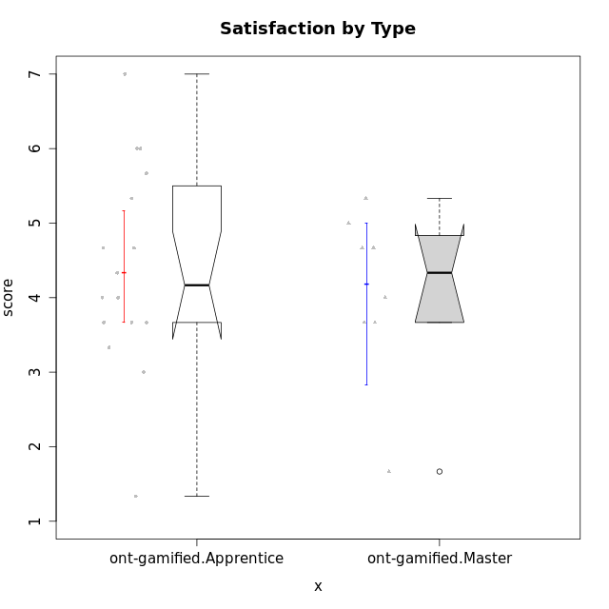

Wilcoxon data
UserID | NroUSP | Type | CLGroup | CLRole | PlayerRole | Item12A | Item19A | Item04A | Item20A | Item16A | Item01A | Item15R | Item21R | Item10R | Item08R | Item13S | Item14S | Item17S | Attention | Relevance | Satisfaction | Level of Motivation
10171 | 698531 | ont-gamified | Grupo Losvakai | Master | Yee Achiever | 5 | 5 | 5 | 4 | 5 | 5 | 2 | 1 | 1 | 1 | 5 | 6 | 5 | 4.8333333333 | 6.75 | 5.3333333333 | 5.5384615385
10172 | 10273971 | ont-gamified | Grupo Koil | Master | Yee Achiever | 4 | 5 | 6 | 5 | 3 | 6 | 3 | 2 | 2 | 3 | 5 | 4 | 2 | 4.8333333333 | 5.5 | 3.6666666667 | 4.7692307692
10179 | 10310759 | ont-gamified | Grupo Tosskor | Apprentice | Yee Achiever | 4 | 4 | 4 | 4 | 5 | 4 | 2 | 3 | 3 | 3 | 5 | 3 | 5 | 4.1666666667 | 5.25 | 4.3333333333 | 4.5384615385
10185 | 10276960 | ont-gamified | Grupo Tosskor | Master | Yee Achiever | 4 | 5 | 5 | 3 | 4 | 4 | 4 | 4 | 3 | 2 | 4 | 4 | 4 | 4.1666666667 | 4.75 | 4 | 4.3076923077
10187 | 9790781 | ont-gamified | Grupo Razorg | Apprentice | Yee Achiever | 4 | 4 | 4 | 5 | 4 | 6 | 5 | 6 | 5 | 5 | 5 | 5 | 4 | 4.5 | 2.75 | 4.6666666667 | 4
10188 | 10276995 | ont-gamified | Grupo Paldira | Master | Yee Achiever | 5 | 3 | 5 | 4 | 4 | 4 | 4 | 4 | 2 | 1 | 5 | 4 | 5 | 4.1666666667 | 5.25 | 4.6666666667 | 4.6153846154
10191 | 10276981 | ont-gamified | Grupo Yeka | Apprentice | Yee Socializer | 6 | 7 | 6 | 6 | 5 | 6 | 4 | 2 | 1 | 2 | 6 | 6 | 6 | 6 | 5.75 | 6 | 5.9230769231
10192 | 10276682 | ont-gamified | Grupo Yeka | Apprentice | Yee Socializer | 7 | 7 | 7 | 7 | 7 | 7 | 1 | 1 | 6 | 1 | 7 | 7 | 4 | 7 | 5.75 | 6 | 6.3846153846
10202 | 10277036 | ont-gamified | Grupo Paldira | Apprentice | Yee Achiever | 4 | 3 | 4 | 4 | 4 | 5 | 4 | 4 | 4 | 6 | 4 | 4 | 4 | 4 | 3.5 | 4 | 3.8461538462
10203 | 9921470 | ont-gamified | Grupo Paldira | Apprentice | Yee Achiever | 7 | 7 | 7 | 7 | 7 | 7 | 1 | 1 | 1 | 1 | 7 | 7 | 7 | 7 | 7 | 7 | 7
10208 | 10276932 | ont-gamified | Grupo Yeka | Master | Yee Socializer | 3 | 5 | 3 | 4 | 4 | 4 | 4 | 4 | 6 | 3 | 3 | 4 | 4 | 3.8333333333 | 3.75 | 3.6666666667 | 3.7692307692
10210 | 10277015 | ont-gamified | Grupo Losvakai | Apprentice | Yee Achiever | 4 | 2 | 4 | 3 | 2 | 4 | 2 | 6 | 3 | 2 | 2 | 6 | 3 | 3.1666666667 | 4.75 | 3.6666666667 | 3.7692307692
10211 | 9311643 | ont-gamified | Grupo Razorg | Master | Yee Achiever | 2 | 1 | 1 | 1 | 2 | 1 | 5 | 4 | 5 | 1 | 2 | 2 | 1 | 1.3333333333 | 4.25 | 1.6666666667 | 2.3076923077
10212 | 9065750 | ont-gamified | Grupo Ellaru | Apprentice | Yee Socializer | 3 | 4 | 4 | 3 | 4 | 2 | 3 | 3 | 4 | 2 | 4 | 2 | 3 | 3.3333333333 | 5 | 3 | 3.7692307692
10214 | 10277022 | ont-gamified | Grupo Koil | Apprentice | Yee Achiever | 4 | 5 | 5 | 4 | 5 | 4 | 3 | 2 | 2 | 2 | 3 | 4 | 4 | 4.5 | 5.75 | 3.6666666667 | 4.6923076923
10216 | 10276720 | ont-gamified | Grupo Ellaru | Master | Yee Socializer | 3 | 7 | 5 | 2 | 4 | 2 | 5 | 3 | 3 | 1 | 4 | 6 | 4 | 3.8333333333 | 5 | 4.6666666667 | 4.3846153846
10217 | 9805341 | ont-gamified | Grupo Belos | Master | Yee Socializer | 4 | 4 | 6 | 5 | 5 | 5 | 3 | 2 | 2 | 2 | 5 | 6 | 4 | 4.8333333333 | 5.75 | 5 | 5.1538461538
10219 | 10276831 | ont-gamified | Grupo Razorg | Apprentice | Yee Achiever | 5 | 4 | 1 | 3 | 2 | 1 | 7 | 6 | 4 | 4 | 4 | 2 | 4 | 2.6666666667 | 2.75 | 3.3333333333 | 2.8461538462
10226 | 10310342 | ont-gamified | Grupo Yeka | Apprentice | Yee Socializer | 6 | 5 | 4 | 5 | 4 | 6 | 2 | 1 | 1 | 3 | 6 | 5 | 6 | 5 | 6.25 | 5.6666666667 | 5.5384615385
10228 | 10310492 | ont-gamified | Grupo Losvakai | Apprentice | Yee Achiever | 5 | 4 | 4 | 4 | 4 | 4 | 4 | 3 | 3 | 3 | 4 | 4 | 4 | 4.1666666667 | 4.75 | 4 | 4.3076923077
10230 | 10351992 | ont-gamified | Grupo Koil | Apprentice | Yee Achiever | 5 | 7 | 7 | 6 | 6 | 6 | 1 | 3 | 3 | 1 | 4 | 5 | 7 | 6.1666666667 | 6 | 5.3333333333 | 5.9230769231
10233 | 9805320 | ont-gamified | Grupo Tosskor | Apprentice | Yee Achiever | 4 | 6 | 3 | 7 | 4 | 2 | 6 | 5 | 5 | 4 | 1 | 2 | 1 | 4.3333333333 | 3 | 1.3333333333 | 3.2307692308
10237 | 10377688 | ont-gamified | Grupo Ellaru | Apprentice | Yee Socializer | 4 | 4 | 3 | 3 | 5 | 4 | 2 | 3 | 2 | 1 | 3 | 5 | 3 | 3.8333333333 | 6 | 3.6666666667 | 4.4615384615
10238 | 10276953 | ont-gamified | Grupo Belos | Apprentice | Yee Socializer | 5 | 5 | 4 | 4 | 5 | 4 | 3 | 4 | 4 | 4 | 5 | 5 | 4 | 4.5 | 4.25 | 4.6666666667 | 4.4615384615

