Type_1
Wilcoxon Analysis for Attention by Type in Type between non-gamified:ont-gamified

Wilcoxon test results
Alternative hypothesis: less
Group | N | Median | Mean.Ranks | Sum.Ranks | U | Z | p.value | r | magnitude
non-gamified | 34 | -0.47951473955 | 26.735294118 | 909 | 314 | -1.486310963 | 0.069563040333 | 0.19516219067 | small
ont-gamified | 24 | 0.060177476934 | 33.416666667 | 802 | 314 | -1.486310963 | 0.069563040333 | 0.19516219067 | small
Alternative hypothesis: greater
Group | N | Median | Mean.Ranks | Sum.Ranks | U | Z | p.value | r | magnitude
non-gamified | 34 | -0.47951473955 | 26.735294118 | 909 | 314 | -1.486310963 | 0.93149765495 | 0.19516219067 | small
ont-gamified | 24 | 0.060177476934 | 33.416666667 | 802 | 314 | -1.486310963 | 0.93149765495 | 0.19516219067 | small
Alternative hypothesis: two.sided
Group | N | Median | Mean.Ranks | Sum.Ranks | U | Z | p.value | r | magnitude
non-gamified | 34 | -0.47951473955 | 26.735294118 | 909 | 314 | -1.486310963 | 0.13913001426 | 0.19516219067 | small
ont-gamified | 24 | 0.060177476934 | 33.416666667 | 802 | 314 | -1.486310963 | 0.13913001426 | 0.19516219067 | small

Box plots for wilcoxon tests
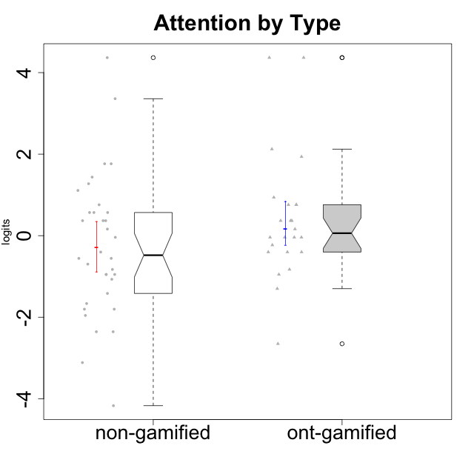

Wilcoxon data
UserID | NroUSP | Type | CLGroup | CLRole | PlayerRole | Score | theta | error | Outfit | Infit | Attention
10169 | 10377538 | non-gamified | Grupo Team 10 | Apprentice |  | 5 | -1.9573725895 | 0.41934551029 | 0.2237657874 | 0.26905659098 | -1.9573725895
10170 | 10260351 | non-gamified | Grupo Team 6 | Apprentice |  | 22 | 0.56791534458 | 0.43476064674 | 0.85217489527 | 0.85358478956 | 0.56791534458
10171 | 698531 | ont-gamified | Grupo Losvakai | Master | Yee Achiever | 23 | 0.75834141366 | 0.42822801316 | 0.13418206805 | 0.13199095526 | 0.75834141366
10172 | 10273971 | ont-gamified | Grupo Koil | Master | Yee Achiever | 23 | 0.75834141366 | 0.42822801316 | 1.4371357496 | 1.4711088377 | 0.75834141366
10174 | 10276852 | non-gamified | Grupo Team 1 | Apprentice |  | 13 | -0.95190662712 | 0.35696636233 | 0.78613835577 | 0.79611119784 | -0.95190662712
10175 | 10310700 | non-gamified | Grupo Team 6 | Master |  | 29 | 1.7635905586 | 0.4247231554 | 1.1406580584 | 1.1664214784 | 1.7635905586
10176 | 10276949 | non-gamified | Grupo Team 9 | Apprentice |  | 12 | -1.0701126677 | 0.35282772185 | 0.021502701432 | 0.020491427151 | -1.0701126677
10178 | 8656201 | non-gamified | Grupo Team 11 | Apprentice |  | 23 | 0.75834141366 | 0.42822801316 | 0.16379691786 | 0.16309199874 | 0.75834141366
10179 | 10310759 | ont-gamified | Grupo Tosskor | Apprentice | Yee Achiever | 19 | -0.040980812349 | 0.42845746341 | 0.082164053243 | 0.078622884389 | -0.040980812349
10181 | 10276866 | non-gamified | Grupo Team 7 | Apprentice |  | 19 | -0.040980812349 | 0.42845746341 | 2.2560162513 | 2.2689301688 | -0.040980812349
10183 | 10352030 | non-gamified | Grupo Belos | Apprentice | Yee Socializer | 13 | -0.95190662712 | 0.35696636233 | 0.85527984284 | 0.86833854074 | -0.95190662712
10184 | 10276675 | non-gamified | Grupo Team 7 | Master |  | 27 | 1.4363694744 | 0.41303285888 | 0.57094836608 | 0.57460446983 | 1.4363694744
10185 | 10276960 | ont-gamified | Grupo Tosskor | Master | Yee Achiever | 19 | -0.040980812349 | 0.42845746341 | 0.53060475058 | 0.53788273762 | -0.040980812349
10186 | 10310551 | non-gamified | Grupo Team 5 | Apprentice |  | 14 | -0.82878035661 | 0.36382650031 | 3.2076769716 | 3.0431051854 | -0.82878035661
10187 | 9790781 | ont-gamified | Grupo Razorg | Apprentice | Yee Achiever | 21 | 0.36736393919 | 0.43855270652 | 0.73225502323 | 0.73181997215 | 0.36736393919
10188 | 10276995 | ont-gamified | Grupo Paldira | Master | Yee Achiever | 19 | -0.040980812349 | 0.42845746341 | 0.54781078934 | 0.5507357253 | -0.040980812349
10189 | 9363926 | non-gamified | Grupo Team 2 | Apprentice |  | 1 | -3.114176627 | 0.77726345467 | 0.6169954769 | 0.57673938256 | -3.114176627
10190 | 10276907 | non-gamified | Grupo Team 8 | Apprentice |  | 7 | -1.6652611659 | 0.37712501079 | 1.2035602359 | 1.1702414139 | -1.6652611659
10191 | 10276981 | ont-gamified | Grupo Yeka | Apprentice | Yee Socializer | 30 | 1.9367637676 | 0.43830688527 | 0.53699081957 | 0.50067681132 | 1.9367637676
10192 | 10276682 | ont-gamified | Grupo Yeka | Apprentice | Yee Socializer | 36 | 4.3670998994 | 1.348405101 | 0.085295822274 | 0.086465800429 | 4.3670998994
10193 | 10276762 | non-gamified | Grupo Team 2 | Master |  | 16 | -0.55700708254 | 0.3856331267 | 0.38593964104 | 0.36597161755 | -0.55700708254
10196 | 10310655 | non-gamified | Grupo Team 5 | Apprentice |  | 16 | -0.55700708254 | 0.3856331267 | 1.2437189383 | 1.2520997349 | -0.55700708254
10197 | 10276661 | non-gamified | Grupo Team 11 | Master |  | 20 | 0.16133576622 | 0.43684675214 | 2.5657003042 | 2.5601563284 | 0.16133576622
10198 | 10310888 | non-gamified | Grupo Team 1 | Apprentice |  | 36 | 4.3670998994 | 1.348405101 | 0.085295822274 | 0.086465800429 | 4.3670998994
10200 | 9795272 | non-gamified | Grupo Team 4 | Apprentice |  | 21 | 0.36736393919 | 0.43855270652 | 0.23953079976 | 0.23865472621 | 0.36736393919
10201 | 10276928 | non-gamified | Grupo Team 10 | Master |  | 22 | 0.56791534458 | 0.43476064674 | 0.24026514201 | 0.23823082412 | 0.56791534458
10202 | 10277036 | ont-gamified | Grupo Paldira | Apprentice | Yee Achiever | 18 | -0.23023200857 | 0.4150966649 | 0.34574953374 | 0.34717435029 | -0.23023200857
10203 | 9921470 | ont-gamified | Grupo Paldira | Apprentice | Yee Achiever | 36 | 4.3670998994 | 1.348405101 | 0.085295822274 | 0.086465800429 | 4.3670998994
10204 | 10310471 | non-gamified | Grupo Team 5 | Master |  | 35 | 3.3604759907 | 0.78915101711 | 0.50801715986 | 0.52947835979 | 3.3604759907
10206 | 10310721 | non-gamified | Grupo Team 9 | Master |  | 17 | -0.40202239655 | 0.39996928951 | 0.43501826021 | 0.44707981858 | -0.40202239655
10208 | 10276932 | ont-gamified | Grupo Yeka | Master | Yee Socializer | 17 | -0.40202239655 | 0.39996928951 | 0.44464091833 | 0.45368730535 | -0.40202239655
10209 | 10262669 | non-gamified | Grupo Team 1 | Master |  | 3 | -2.3569124236 | 0.50963453176 | 1.3875039873 | 1.6676776674 | -2.3569124236
10210 | 10277015 | ont-gamified | Grupo Losvakai | Apprentice | Yee Achiever | 13 | -0.95190662712 | 0.35696636233 | 0.76546400775 | 0.74362609745 | -0.95190662712
10211 | 9311643 | ont-gamified | Grupo Razorg | Master | Yee Achiever | 2 | -2.6523213207 | 0.5994768192 | 0.42502738648 | 0.41836910222 | -2.6523213207
10212 | 9065750 | ont-gamified | Grupo Ellaru | Apprentice | Yee Socializer | 14 | -0.82878035661 | 0.36382650031 | 0.40491710318 | 0.40848813427 | -0.82878035661
10213 | 10277040 | non-gamified | Grupo Team 8 | Master |  | 21 | 0.36736393919 | 0.43855270652 | 1.1320227782 | 1.1290245466 | 0.36736393919
10214 | 10277022 | ont-gamified | Grupo Koil | Apprentice | Yee Achiever | 21 | 0.36736393919 | 0.43855270652 | 0.25213704594 | 0.25118709604 | 0.36736393919
10215 | 9285227 | non-gamified | Grupo Team 7 | Apprentice |  | 21 | 0.36736393919 | 0.43855270652 | 1.2686849933 | 1.2715554974 | 0.36736393919
10216 | 10276720 | ont-gamified | Grupo Ellaru | Master | Yee Socializer | 17 | -0.40202239655 | 0.39996928951 | 2.9489652767 | 3.0126589031 | -0.40202239655
10217 | 9805341 | ont-gamified | Grupo Belos | Master | Yee Socializer | 23 | 0.75834141366 | 0.42822801316 | 0.53542735119 | 0.52979531113 | 0.75834141366
10218 | 9842913 | non-gamified | Grupo Team 10 | Apprentice |  | 13 | -0.95190662712 | 0.35696636233 | 0.92623147571 | 0.9080256449 | -0.95190662712
10219 | 10276831 | ont-gamified | Grupo Razorg | Apprentice | Yee Achiever | 10 | -1.3006930783 | 0.35280261097 | 1.7507093094 | 1.7561796448 | -1.3006930783
10220 | 9760151 | non-gamified | Grupo Team 4 | Apprentice |  | 3 | -2.3569124236 | 0.50963453176 | 2.2717417808 | 2.0822660154 | -2.3569124236
10221 | 9082496 | non-gamified | Grupo Team 3 | Apprentice |  | 15 | -0.69814884637 | 0.37341919956 | 0.4403881055 | 0.45199760386 | -0.69814884637
10223 | 9795185 | non-gamified | Grupo Team 3 | Master |  | 6 | -1.8032427627 | 0.39452781553 | 0.6944496942 | 0.66955403069 | -1.8032427627
10224 | 9368772 | non-gamified | Grupo Team 9 | Apprentice |  | 26 | 1.2744728051 | 0.41302220651 | 0.87522033687 | 0.87626720489 | 1.2744728051
10226 | 10310342 | ont-gamified | Grupo Yeka | Apprentice | Yee Socializer | 24 | 0.93823748285 | 0.42144381234 | 0.80210594824 | 0.81095853632 | 0.93823748285
10227 | 9274382 | non-gamified | Grupo Team 2 | Apprentice |  | 29 | 1.7635905586 | 0.4247231554 | 0.4826546576 | 0.48998261649 | 1.7635905586
10228 | 10310492 | ont-gamified | Grupo Losvakai | Apprentice | Yee Achiever | 19 | -0.040980812349 | 0.42845746341 | 0.17823998045 | 0.17722311723 | -0.040980812349
10230 | 10351992 | ont-gamified | Grupo Koil | Apprentice | Yee Achiever | 31 | 2.1235948058 | 0.45934128233 | 0.62674373895 | 0.64037665599 | 2.1235948058
10231 | 10276911 | non-gamified | Grupo Team 4 | Master |  | 9 | -1.4173134803 | 0.35722209376 | 0.52187114442 | 0.52116559778 | -1.4173134803
10232 | 10276974 | non-gamified | Grupo Team 3 | Apprentice |  | 25 | 1.1094035006 | 0.41604655123 | 0.066630984158 | 0.067758372146 | 1.1094035006
10233 | 9805320 | ont-gamified | Grupo Tosskor | Apprentice | Yee Achiever | 20 | 0.16133576622 | 0.43684675214 | 3.4192460969 | 3.4306237573 | 0.16133576622
10234 | 10310676 | non-gamified | Grupo Team 6 | Apprentice |  | 22 | 0.56791534458 | 0.43476064674 | 1.1325448488 | 1.1288618756 | 0.56791534458
10237 | 10377688 | ont-gamified | Grupo Ellaru | Apprentice | Yee Socializer | 17 | -0.40202239655 | 0.39996928951 | 0.33659772969 | 0.32537031868 | -0.40202239655
10238 | 10276953 | ont-gamified | Grupo Belos | Apprentice | Yee Socializer | 21 | 0.36736393919 | 0.43855270652 | 0.23954578178 | 0.23866998926 | 0.36736393919
10240 | 10276654 | non-gamified | Grupo Team 8 | Apprentice |  | 6 | -1.8032427627 | 0.39452781553 | 0.01946829462 | 0.022807805633 | -1.8032427627
10242 | 9424506 | non-gamified | Grupo Team 11 | Apprentice |  | 0 | -4.1711522593 | 1.3728546999 | 0.085151399187 | 0.086851625606 | -4.1711522593

Type_CLRole_1
Wilcoxon Analysis for Attention by Type in Type:CLRole between non-gamified.Apprentice:non-gamified.Master

Wilcoxon test results
Alternative hypothesis: less
Group | N | Median | Mean.Ranks | Sum.Ranks | U | Z | p.value | r | magnitude
non-gamified.Apprentice | 23 | -0.69814884637 | 16.52173913 | 380 | 104 | -0.82929748731 | 0.2090337233 | 0.14222334574 | small
non-gamified.Master | 11 | 0.16133576622 | 19.545454545 | 215 | 104 | -0.82929748731 | 0.2090337233 | 0.14222334574 | small
Alternative hypothesis: greater
Group | N | Median | Mean.Ranks | Sum.Ranks | U | Z | p.value | r | magnitude
non-gamified.Apprentice | 23 | -0.69814884637 | 16.52173913 | 380 | 104 | -0.82929748731 | 0.79619390239 | 0.14222334574 | small
non-gamified.Master | 11 | 0.16133576622 | 19.545454545 | 215 | 104 | -0.82929748731 | 0.79619390239 | 0.14222334574 | small
Alternative hypothesis: two.sided
Group | N | Median | Mean.Ranks | Sum.Ranks | U | Z | p.value | r | magnitude
non-gamified.Apprentice | 23 | -0.69814884637 | 16.52173913 | 380 | 104 | -0.82929748731 | 0.41806761437 | 0.14222334574 | small
non-gamified.Master | 11 | 0.16133576622 | 19.545454545 | 215 | 104 | -0.82929748731 | 0.41806761437 | 0.14222334574 | small

Box plots for wilcoxon tests
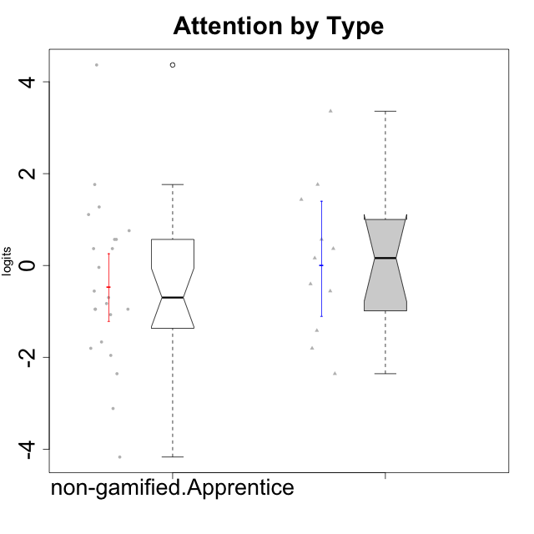

Wilcoxon data
UserID | NroUSP | Type | CLGroup | CLRole | PlayerRole | Score | theta | error | Outfit | Infit | Attention
10169 | 10377538 | non-gamified | Grupo Team 10 | Apprentice |  | 5 | -1.9573725895 | 0.41934551029 | 0.2237657874 | 0.26905659098 | -1.9573725895
10170 | 10260351 | non-gamified | Grupo Team 6 | Apprentice |  | 22 | 0.56791534458 | 0.43476064674 | 0.85217489527 | 0.85358478956 | 0.56791534458
10174 | 10276852 | non-gamified | Grupo Team 1 | Apprentice |  | 13 | -0.95190662712 | 0.35696636233 | 0.78613835577 | 0.79611119784 | -0.95190662712
10175 | 10310700 | non-gamified | Grupo Team 6 | Master |  | 29 | 1.7635905586 | 0.4247231554 | 1.1406580584 | 1.1664214784 | 1.7635905586
10176 | 10276949 | non-gamified | Grupo Team 9 | Apprentice |  | 12 | -1.0701126677 | 0.35282772185 | 0.021502701432 | 0.020491427151 | -1.0701126677
10178 | 8656201 | non-gamified | Grupo Team 11 | Apprentice |  | 23 | 0.75834141366 | 0.42822801316 | 0.16379691786 | 0.16309199874 | 0.75834141366
10181 | 10276866 | non-gamified | Grupo Team 7 | Apprentice |  | 19 | -0.040980812349 | 0.42845746341 | 2.2560162513 | 2.2689301688 | -0.040980812349
10183 | 10352030 | non-gamified | Grupo Belos | Apprentice | Yee Socializer | 13 | -0.95190662712 | 0.35696636233 | 0.85527984284 | 0.86833854074 | -0.95190662712
10184 | 10276675 | non-gamified | Grupo Team 7 | Master |  | 27 | 1.4363694744 | 0.41303285888 | 0.57094836608 | 0.57460446983 | 1.4363694744
10186 | 10310551 | non-gamified | Grupo Team 5 | Apprentice |  | 14 | -0.82878035661 | 0.36382650031 | 3.2076769716 | 3.0431051854 | -0.82878035661
10189 | 9363926 | non-gamified | Grupo Team 2 | Apprentice |  | 1 | -3.114176627 | 0.77726345467 | 0.6169954769 | 0.57673938256 | -3.114176627
10190 | 10276907 | non-gamified | Grupo Team 8 | Apprentice |  | 7 | -1.6652611659 | 0.37712501079 | 1.2035602359 | 1.1702414139 | -1.6652611659
10193 | 10276762 | non-gamified | Grupo Team 2 | Master |  | 16 | -0.55700708254 | 0.3856331267 | 0.38593964104 | 0.36597161755 | -0.55700708254
10196 | 10310655 | non-gamified | Grupo Team 5 | Apprentice |  | 16 | -0.55700708254 | 0.3856331267 | 1.2437189383 | 1.2520997349 | -0.55700708254
10197 | 10276661 | non-gamified | Grupo Team 11 | Master |  | 20 | 0.16133576622 | 0.43684675214 | 2.5657003042 | 2.5601563284 | 0.16133576622
10198 | 10310888 | non-gamified | Grupo Team 1 | Apprentice |  | 36 | 4.3670998994 | 1.348405101 | 0.085295822274 | 0.086465800429 | 4.3670998994
10200 | 9795272 | non-gamified | Grupo Team 4 | Apprentice |  | 21 | 0.36736393919 | 0.43855270652 | 0.23953079976 | 0.23865472621 | 0.36736393919
10201 | 10276928 | non-gamified | Grupo Team 10 | Master |  | 22 | 0.56791534458 | 0.43476064674 | 0.24026514201 | 0.23823082412 | 0.56791534458
10204 | 10310471 | non-gamified | Grupo Team 5 | Master |  | 35 | 3.3604759907 | 0.78915101711 | 0.50801715986 | 0.52947835979 | 3.3604759907
10206 | 10310721 | non-gamified | Grupo Team 9 | Master |  | 17 | -0.40202239655 | 0.39996928951 | 0.43501826021 | 0.44707981858 | -0.40202239655
10209 | 10262669 | non-gamified | Grupo Team 1 | Master |  | 3 | -2.3569124236 | 0.50963453176 | 1.3875039873 | 1.6676776674 | -2.3569124236
10213 | 10277040 | non-gamified | Grupo Team 8 | Master |  | 21 | 0.36736393919 | 0.43855270652 | 1.1320227782 | 1.1290245466 | 0.36736393919
10215 | 9285227 | non-gamified | Grupo Team 7 | Apprentice |  | 21 | 0.36736393919 | 0.43855270652 | 1.2686849933 | 1.2715554974 | 0.36736393919
10218 | 9842913 | non-gamified | Grupo Team 10 | Apprentice |  | 13 | -0.95190662712 | 0.35696636233 | 0.92623147571 | 0.9080256449 | -0.95190662712
10220 | 9760151 | non-gamified | Grupo Team 4 | Apprentice |  | 3 | -2.3569124236 | 0.50963453176 | 2.2717417808 | 2.0822660154 | -2.3569124236
10221 | 9082496 | non-gamified | Grupo Team 3 | Apprentice |  | 15 | -0.69814884637 | 0.37341919956 | 0.4403881055 | 0.45199760386 | -0.69814884637
10223 | 9795185 | non-gamified | Grupo Team 3 | Master |  | 6 | -1.8032427627 | 0.39452781553 | 0.6944496942 | 0.66955403069 | -1.8032427627
10224 | 9368772 | non-gamified | Grupo Team 9 | Apprentice |  | 26 | 1.2744728051 | 0.41302220651 | 0.87522033687 | 0.87626720489 | 1.2744728051
10227 | 9274382 | non-gamified | Grupo Team 2 | Apprentice |  | 29 | 1.7635905586 | 0.4247231554 | 0.4826546576 | 0.48998261649 | 1.7635905586
10231 | 10276911 | non-gamified | Grupo Team 4 | Master |  | 9 | -1.4173134803 | 0.35722209376 | 0.52187114442 | 0.52116559778 | -1.4173134803
10232 | 10276974 | non-gamified | Grupo Team 3 | Apprentice |  | 25 | 1.1094035006 | 0.41604655123 | 0.066630984158 | 0.067758372146 | 1.1094035006
10234 | 10310676 | non-gamified | Grupo Team 6 | Apprentice |  | 22 | 0.56791534458 | 0.43476064674 | 1.1325448488 | 1.1288618756 | 0.56791534458
10240 | 10276654 | non-gamified | Grupo Team 8 | Apprentice |  | 6 | -1.8032427627 | 0.39452781553 | 0.01946829462 | 0.022807805633 | -1.8032427627
10242 | 9424506 | non-gamified | Grupo Team 11 | Apprentice |  | 0 | -4.1711522593 | 1.3728546999 | 0.085151399187 | 0.086851625606 | -4.1711522593

Type_CLRole_2
Wilcoxon Analysis for Attention by Type in Type:CLRole between non-gamified.Apprentice:ont-gamified.Apprentice

Wilcoxon test results
Alternative hypothesis: less
Group | N | Median | Mean.Ranks | Sum.Ranks | U | Z | p.value | r | magnitude
non-gamified.Apprentice | 23 | -0.69814884637 | 17.347826087 | 399 | 123 | -1.7452091292 | 0.041085619768 | 0.27945711586 | small
ont-gamified.Apprentice | 16 | 0.2643498527 | 23.8125 | 381 | 123 | -1.7452091292 | 0.041085619768 | 0.27945711586 | small
Alternative hypothesis: greater
Group | N | Median | Mean.Ranks | Sum.Ranks | U | Z | p.value | r | magnitude
non-gamified.Apprentice | 23 | -0.69814884637 | 17.347826087 | 399 | 123 | -1.7452091292 | 0.96019111688 | 0.27945711586 | small
ont-gamified.Apprentice | 16 | 0.2643498527 | 23.8125 | 381 | 123 | -1.7452091292 | 0.96019111688 | 0.27945711586 | small
Alternative hypothesis: two.sided
Group | N | Median | Mean.Ranks | Sum.Ranks | U | Z | p.value | r | magnitude
non-gamified.Apprentice | 23 | -0.69814884637 | 17.347826087 | 399 | 123 | -1.7452091292 | 0.082179889631 | 0.27945711586 | small
ont-gamified.Apprentice | 16 | 0.2643498527 | 23.8125 | 381 | 123 | -1.7452091292 | 0.082179889631 | 0.27945711586 | small

Box plots for wilcoxon tests
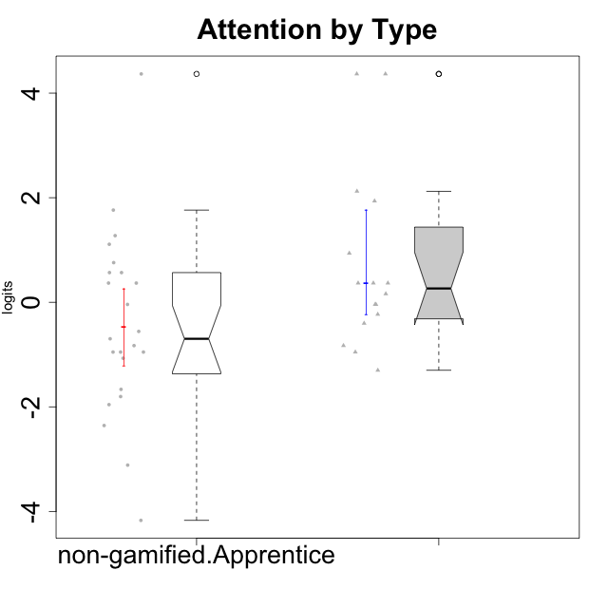

Wilcoxon data
UserID | NroUSP | Type | CLGroup | CLRole | PlayerRole | Score | theta | error | Outfit | Infit | Attention
10169 | 10377538 | non-gamified | Grupo Team 10 | Apprentice |  | 5 | -1.9573725895 | 0.41934551029 | 0.2237657874 | 0.26905659098 | -1.9573725895
10170 | 10260351 | non-gamified | Grupo Team 6 | Apprentice |  | 22 | 0.56791534458 | 0.43476064674 | 0.85217489527 | 0.85358478956 | 0.56791534458
10174 | 10276852 | non-gamified | Grupo Team 1 | Apprentice |  | 13 | -0.95190662712 | 0.35696636233 | 0.78613835577 | 0.79611119784 | -0.95190662712
10176 | 10276949 | non-gamified | Grupo Team 9 | Apprentice |  | 12 | -1.0701126677 | 0.35282772185 | 0.021502701432 | 0.020491427151 | -1.0701126677
10178 | 8656201 | non-gamified | Grupo Team 11 | Apprentice |  | 23 | 0.75834141366 | 0.42822801316 | 0.16379691786 | 0.16309199874 | 0.75834141366
10179 | 10310759 | ont-gamified | Grupo Tosskor | Apprentice | Yee Achiever | 19 | -0.040980812349 | 0.42845746341 | 0.082164053243 | 0.078622884389 | -0.040980812349
10181 | 10276866 | non-gamified | Grupo Team 7 | Apprentice |  | 19 | -0.040980812349 | 0.42845746341 | 2.2560162513 | 2.2689301688 | -0.040980812349
10183 | 10352030 | non-gamified | Grupo Belos | Apprentice | Yee Socializer | 13 | -0.95190662712 | 0.35696636233 | 0.85527984284 | 0.86833854074 | -0.95190662712
10186 | 10310551 | non-gamified | Grupo Team 5 | Apprentice |  | 14 | -0.82878035661 | 0.36382650031 | 3.2076769716 | 3.0431051854 | -0.82878035661
10187 | 9790781 | ont-gamified | Grupo Razorg | Apprentice | Yee Achiever | 21 | 0.36736393919 | 0.43855270652 | 0.73225502323 | 0.73181997215 | 0.36736393919
10189 | 9363926 | non-gamified | Grupo Team 2 | Apprentice |  | 1 | -3.114176627 | 0.77726345467 | 0.6169954769 | 0.57673938256 | -3.114176627
10190 | 10276907 | non-gamified | Grupo Team 8 | Apprentice |  | 7 | -1.6652611659 | 0.37712501079 | 1.2035602359 | 1.1702414139 | -1.6652611659
10191 | 10276981 | ont-gamified | Grupo Yeka | Apprentice | Yee Socializer | 30 | 1.9367637676 | 0.43830688527 | 0.53699081957 | 0.50067681132 | 1.9367637676
10192 | 10276682 | ont-gamified | Grupo Yeka | Apprentice | Yee Socializer | 36 | 4.3670998994 | 1.348405101 | 0.085295822274 | 0.086465800429 | 4.3670998994
10196 | 10310655 | non-gamified | Grupo Team 5 | Apprentice |  | 16 | -0.55700708254 | 0.3856331267 | 1.2437189383 | 1.2520997349 | -0.55700708254
10198 | 10310888 | non-gamified | Grupo Team 1 | Apprentice |  | 36 | 4.3670998994 | 1.348405101 | 0.085295822274 | 0.086465800429 | 4.3670998994
10200 | 9795272 | non-gamified | Grupo Team 4 | Apprentice |  | 21 | 0.36736393919 | 0.43855270652 | 0.23953079976 | 0.23865472621 | 0.36736393919
10202 | 10277036 | ont-gamified | Grupo Paldira | Apprentice | Yee Achiever | 18 | -0.23023200857 | 0.4150966649 | 0.34574953374 | 0.34717435029 | -0.23023200857
10203 | 9921470 | ont-gamified | Grupo Paldira | Apprentice | Yee Achiever | 36 | 4.3670998994 | 1.348405101 | 0.085295822274 | 0.086465800429 | 4.3670998994
10210 | 10277015 | ont-gamified | Grupo Losvakai | Apprentice | Yee Achiever | 13 | -0.95190662712 | 0.35696636233 | 0.76546400775 | 0.74362609745 | -0.95190662712
10212 | 9065750 | ont-gamified | Grupo Ellaru | Apprentice | Yee Socializer | 14 | -0.82878035661 | 0.36382650031 | 0.40491710318 | 0.40848813427 | -0.82878035661
10214 | 10277022 | ont-gamified | Grupo Koil | Apprentice | Yee Achiever | 21 | 0.36736393919 | 0.43855270652 | 0.25213704594 | 0.25118709604 | 0.36736393919
10215 | 9285227 | non-gamified | Grupo Team 7 | Apprentice |  | 21 | 0.36736393919 | 0.43855270652 | 1.2686849933 | 1.2715554974 | 0.36736393919
10218 | 9842913 | non-gamified | Grupo Team 10 | Apprentice |  | 13 | -0.95190662712 | 0.35696636233 | 0.92623147571 | 0.9080256449 | -0.95190662712
10219 | 10276831 | ont-gamified | Grupo Razorg | Apprentice | Yee Achiever | 10 | -1.3006930783 | 0.35280261097 | 1.7507093094 | 1.7561796448 | -1.3006930783
10220 | 9760151 | non-gamified | Grupo Team 4 | Apprentice |  | 3 | -2.3569124236 | 0.50963453176 | 2.2717417808 | 2.0822660154 | -2.3569124236
10221 | 9082496 | non-gamified | Grupo Team 3 | Apprentice |  | 15 | -0.69814884637 | 0.37341919956 | 0.4403881055 | 0.45199760386 | -0.69814884637
10224 | 9368772 | non-gamified | Grupo Team 9 | Apprentice |  | 26 | 1.2744728051 | 0.41302220651 | 0.87522033687 | 0.87626720489 | 1.2744728051
10226 | 10310342 | ont-gamified | Grupo Yeka | Apprentice | Yee Socializer | 24 | 0.93823748285 | 0.42144381234 | 0.80210594824 | 0.81095853632 | 0.93823748285
10227 | 9274382 | non-gamified | Grupo Team 2 | Apprentice |  | 29 | 1.7635905586 | 0.4247231554 | 0.4826546576 | 0.48998261649 | 1.7635905586
10228 | 10310492 | ont-gamified | Grupo Losvakai | Apprentice | Yee Achiever | 19 | -0.040980812349 | 0.42845746341 | 0.17823998045 | 0.17722311723 | -0.040980812349
10230 | 10351992 | ont-gamified | Grupo Koil | Apprentice | Yee Achiever | 31 | 2.1235948058 | 0.45934128233 | 0.62674373895 | 0.64037665599 | 2.1235948058
10232 | 10276974 | non-gamified | Grupo Team 3 | Apprentice |  | 25 | 1.1094035006 | 0.41604655123 | 0.066630984158 | 0.067758372146 | 1.1094035006
10233 | 9805320 | ont-gamified | Grupo Tosskor | Apprentice | Yee Achiever | 20 | 0.16133576622 | 0.43684675214 | 3.4192460969 | 3.4306237573 | 0.16133576622
10234 | 10310676 | non-gamified | Grupo Team 6 | Apprentice |  | 22 | 0.56791534458 | 0.43476064674 | 1.1325448488 | 1.1288618756 | 0.56791534458
10237 | 10377688 | ont-gamified | Grupo Ellaru | Apprentice | Yee Socializer | 17 | -0.40202239655 | 0.39996928951 | 0.33659772969 | 0.32537031868 | -0.40202239655
10238 | 10276953 | ont-gamified | Grupo Belos | Apprentice | Yee Socializer | 21 | 0.36736393919 | 0.43855270652 | 0.23954578178 | 0.23866998926 | 0.36736393919
10240 | 10276654 | non-gamified | Grupo Team 8 | Apprentice |  | 6 | -1.8032427627 | 0.39452781553 | 0.01946829462 | 0.022807805633 | -1.8032427627
10242 | 9424506 | non-gamified | Grupo Team 11 | Apprentice |  | 0 | -4.1711522593 | 1.3728546999 | 0.085151399187 | 0.086851625606 | -4.1711522593

Type_CLRole_3
Wilcoxon Analysis for Attention by Type in Type:CLRole between non-gamified.Apprentice:ont-gamified.Master

Wilcoxon test results
Alternative hypothesis: less
Group | N | Median | Mean.Ranks | Sum.Ranks | U | Z | p.value | r | magnitude
non-gamified.Apprentice | 23 | -0.69814884637 | 15.195652174 | 349.5 | 73.5 | -0.83695050535 | 0.20833886338 | 0.15032074829 | small
ont-gamified.Master | 8 | -0.040980812349 | 18.3125 | 146.5 | 73.5 | -0.83695050535 | 0.20833886338 | 0.15032074829 | small
Alternative hypothesis: greater
Group | N | Median | Mean.Ranks | Sum.Ranks | U | Z | p.value | r | magnitude
non-gamified.Apprentice | 23 | -0.69814884637 | 15.195652174 | 349.5 | 73.5 | -0.83695050535 | 0.79795873224 | 0.15032074829 | small
ont-gamified.Master | 8 | -0.040980812349 | 18.3125 | 146.5 | 73.5 | -0.83695050535 | 0.79795873224 | 0.15032074829 | small
Alternative hypothesis: two.sided
Group | N | Median | Mean.Ranks | Sum.Ranks | U | Z | p.value | r | magnitude
non-gamified.Apprentice | 23 | -0.69814884637 | 15.195652174 | 349.5 | 73.5 | -0.83695050535 | 0.41665706435 | 0.15032074829 | small
ont-gamified.Master | 8 | -0.040980812349 | 18.3125 | 146.5 | 73.5 | -0.83695050535 | 0.41665706435 | 0.15032074829 | small

Box plots for wilcoxon tests
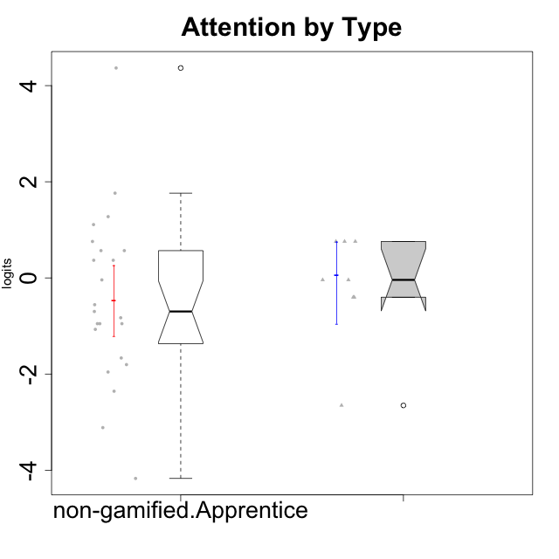

Wilcoxon data
UserID | NroUSP | Type | CLGroup | CLRole | PlayerRole | Score | theta | error | Outfit | Infit | Attention
10169 | 10377538 | non-gamified | Grupo Team 10 | Apprentice |  | 5 | -1.9573725895 | 0.41934551029 | 0.2237657874 | 0.26905659098 | -1.9573725895
10170 | 10260351 | non-gamified | Grupo Team 6 | Apprentice |  | 22 | 0.56791534458 | 0.43476064674 | 0.85217489527 | 0.85358478956 | 0.56791534458
10171 | 698531 | ont-gamified | Grupo Losvakai | Master | Yee Achiever | 23 | 0.75834141366 | 0.42822801316 | 0.13418206805 | 0.13199095526 | 0.75834141366
10172 | 10273971 | ont-gamified | Grupo Koil | Master | Yee Achiever | 23 | 0.75834141366 | 0.42822801316 | 1.4371357496 | 1.4711088377 | 0.75834141366
10174 | 10276852 | non-gamified | Grupo Team 1 | Apprentice |  | 13 | -0.95190662712 | 0.35696636233 | 0.78613835577 | 0.79611119784 | -0.95190662712
10176 | 10276949 | non-gamified | Grupo Team 9 | Apprentice |  | 12 | -1.0701126677 | 0.35282772185 | 0.021502701432 | 0.020491427151 | -1.0701126677
10178 | 8656201 | non-gamified | Grupo Team 11 | Apprentice |  | 23 | 0.75834141366 | 0.42822801316 | 0.16379691786 | 0.16309199874 | 0.75834141366
10181 | 10276866 | non-gamified | Grupo Team 7 | Apprentice |  | 19 | -0.040980812349 | 0.42845746341 | 2.2560162513 | 2.2689301688 | -0.040980812349
10183 | 10352030 | non-gamified | Grupo Belos | Apprentice | Yee Socializer | 13 | -0.95190662712 | 0.35696636233 | 0.85527984284 | 0.86833854074 | -0.95190662712
10185 | 10276960 | ont-gamified | Grupo Tosskor | Master | Yee Achiever | 19 | -0.040980812349 | 0.42845746341 | 0.53060475058 | 0.53788273762 | -0.040980812349
10186 | 10310551 | non-gamified | Grupo Team 5 | Apprentice |  | 14 | -0.82878035661 | 0.36382650031 | 3.2076769716 | 3.0431051854 | -0.82878035661
10188 | 10276995 | ont-gamified | Grupo Paldira | Master | Yee Achiever | 19 | -0.040980812349 | 0.42845746341 | 0.54781078934 | 0.5507357253 | -0.040980812349
10189 | 9363926 | non-gamified | Grupo Team 2 | Apprentice |  | 1 | -3.114176627 | 0.77726345467 | 0.6169954769 | 0.57673938256 | -3.114176627
10190 | 10276907 | non-gamified | Grupo Team 8 | Apprentice |  | 7 | -1.6652611659 | 0.37712501079 | 1.2035602359 | 1.1702414139 | -1.6652611659
10196 | 10310655 | non-gamified | Grupo Team 5 | Apprentice |  | 16 | -0.55700708254 | 0.3856331267 | 1.2437189383 | 1.2520997349 | -0.55700708254
10198 | 10310888 | non-gamified | Grupo Team 1 | Apprentice |  | 36 | 4.3670998994 | 1.348405101 | 0.085295822274 | 0.086465800429 | 4.3670998994
10200 | 9795272 | non-gamified | Grupo Team 4 | Apprentice |  | 21 | 0.36736393919 | 0.43855270652 | 0.23953079976 | 0.23865472621 | 0.36736393919
10208 | 10276932 | ont-gamified | Grupo Yeka | Master | Yee Socializer | 17 | -0.40202239655 | 0.39996928951 | 0.44464091833 | 0.45368730535 | -0.40202239655
10211 | 9311643 | ont-gamified | Grupo Razorg | Master | Yee Achiever | 2 | -2.6523213207 | 0.5994768192 | 0.42502738648 | 0.41836910222 | -2.6523213207
10215 | 9285227 | non-gamified | Grupo Team 7 | Apprentice |  | 21 | 0.36736393919 | 0.43855270652 | 1.2686849933 | 1.2715554974 | 0.36736393919
10216 | 10276720 | ont-gamified | Grupo Ellaru | Master | Yee Socializer | 17 | -0.40202239655 | 0.39996928951 | 2.9489652767 | 3.0126589031 | -0.40202239655
10217 | 9805341 | ont-gamified | Grupo Belos | Master | Yee Socializer | 23 | 0.75834141366 | 0.42822801316 | 0.53542735119 | 0.52979531113 | 0.75834141366
10218 | 9842913 | non-gamified | Grupo Team 10 | Apprentice |  | 13 | -0.95190662712 | 0.35696636233 | 0.92623147571 | 0.9080256449 | -0.95190662712
10220 | 9760151 | non-gamified | Grupo Team 4 | Apprentice |  | 3 | -2.3569124236 | 0.50963453176 | 2.2717417808 | 2.0822660154 | -2.3569124236
10221 | 9082496 | non-gamified | Grupo Team 3 | Apprentice |  | 15 | -0.69814884637 | 0.37341919956 | 0.4403881055 | 0.45199760386 | -0.69814884637
10224 | 9368772 | non-gamified | Grupo Team 9 | Apprentice |  | 26 | 1.2744728051 | 0.41302220651 | 0.87522033687 | 0.87626720489 | 1.2744728051
10227 | 9274382 | non-gamified | Grupo Team 2 | Apprentice |  | 29 | 1.7635905586 | 0.4247231554 | 0.4826546576 | 0.48998261649 | 1.7635905586
10232 | 10276974 | non-gamified | Grupo Team 3 | Apprentice |  | 25 | 1.1094035006 | 0.41604655123 | 0.066630984158 | 0.067758372146 | 1.1094035006
10234 | 10310676 | non-gamified | Grupo Team 6 | Apprentice |  | 22 | 0.56791534458 | 0.43476064674 | 1.1325448488 | 1.1288618756 | 0.56791534458
10240 | 10276654 | non-gamified | Grupo Team 8 | Apprentice |  | 6 | -1.8032427627 | 0.39452781553 | 0.01946829462 | 0.022807805633 | -1.8032427627
10242 | 9424506 | non-gamified | Grupo Team 11 | Apprentice |  | 0 | -4.1711522593 | 1.3728546999 | 0.085151399187 | 0.086851625606 | -4.1711522593

Type_CLRole_4
Wilcoxon Analysis for Attention by Type in Type:CLRole between non-gamified.Master:ont-gamified.Apprentice

Wilcoxon test results
Alternative hypothesis: less
Group | N | Median | Mean.Ranks | Sum.Ranks | U | Z | p.value | r | magnitude
non-gamified.Master | 11 | 0.16133576622 | 12.590909091 | 138.5 | 72.5 | -0.76650843751 | 0.22871230363 | 0.14751461758 | small
ont-gamified.Apprentice | 16 | 0.2643498527 | 14.96875 | 239.5 | 72.5 | -0.76650843751 | 0.22871230363 | 0.14751461758 | small
Alternative hypothesis: greater
Group | N | Median | Mean.Ranks | Sum.Ranks | U | Z | p.value | r | magnitude
non-gamified.Master | 11 | 0.16133576622 | 12.590909091 | 138.5 | 72.5 | -0.76650843751 | 0.77863182669 | 0.14751461758 | small
ont-gamified.Apprentice | 16 | 0.2643498527 | 14.96875 | 239.5 | 72.5 | -0.76650843751 | 0.77863182669 | 0.14751461758 | small
Alternative hypothesis: two.sided
Group | N | Median | Mean.Ranks | Sum.Ranks | U | Z | p.value | r | magnitude
non-gamified.Master | 11 | 0.16133576622 | 12.590909091 | 138.5 | 72.5 | -0.76650843751 | 0.45729513852 | 0.14751461758 | small
ont-gamified.Apprentice | 16 | 0.2643498527 | 14.96875 | 239.5 | 72.5 | -0.76650843751 | 0.45729513852 | 0.14751461758 | small

Box plots for wilcoxon tests
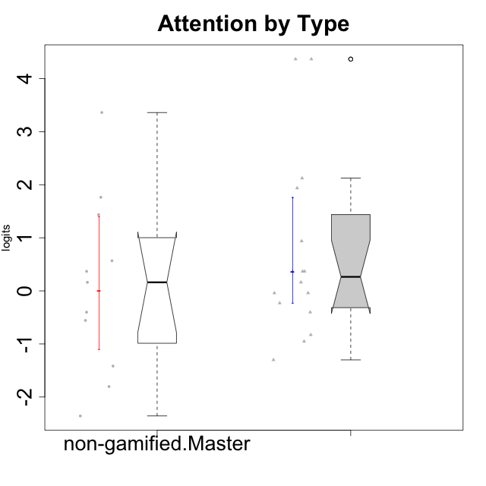

Wilcoxon data
UserID | NroUSP | Type | CLGroup | CLRole | PlayerRole | Score | theta | error | Outfit | Infit | Attention
10175 | 10310700 | non-gamified | Grupo Team 6 | Master |  | 29 | 1.7635905586 | 0.4247231554 | 1.1406580584 | 1.1664214784 | 1.7635905586
10179 | 10310759 | ont-gamified | Grupo Tosskor | Apprentice | Yee Achiever | 19 | -0.040980812349 | 0.42845746341 | 0.082164053243 | 0.078622884389 | -0.040980812349
10184 | 10276675 | non-gamified | Grupo Team 7 | Master |  | 27 | 1.4363694744 | 0.41303285888 | 0.57094836608 | 0.57460446983 | 1.4363694744
10187 | 9790781 | ont-gamified | Grupo Razorg | Apprentice | Yee Achiever | 21 | 0.36736393919 | 0.43855270652 | 0.73225502323 | 0.73181997215 | 0.36736393919
10191 | 10276981 | ont-gamified | Grupo Yeka | Apprentice | Yee Socializer | 30 | 1.9367637676 | 0.43830688527 | 0.53699081957 | 0.50067681132 | 1.9367637676
10192 | 10276682 | ont-gamified | Grupo Yeka | Apprentice | Yee Socializer | 36 | 4.3670998994 | 1.348405101 | 0.085295822274 | 0.086465800429 | 4.3670998994
10193 | 10276762 | non-gamified | Grupo Team 2 | Master |  | 16 | -0.55700708254 | 0.3856331267 | 0.38593964104 | 0.36597161755 | -0.55700708254
10197 | 10276661 | non-gamified | Grupo Team 11 | Master |  | 20 | 0.16133576622 | 0.43684675214 | 2.5657003042 | 2.5601563284 | 0.16133576622
10201 | 10276928 | non-gamified | Grupo Team 10 | Master |  | 22 | 0.56791534458 | 0.43476064674 | 0.24026514201 | 0.23823082412 | 0.56791534458
10202 | 10277036 | ont-gamified | Grupo Paldira | Apprentice | Yee Achiever | 18 | -0.23023200857 | 0.4150966649 | 0.34574953374 | 0.34717435029 | -0.23023200857
10203 | 9921470 | ont-gamified | Grupo Paldira | Apprentice | Yee Achiever | 36 | 4.3670998994 | 1.348405101 | 0.085295822274 | 0.086465800429 | 4.3670998994
10204 | 10310471 | non-gamified | Grupo Team 5 | Master |  | 35 | 3.3604759907 | 0.78915101711 | 0.50801715986 | 0.52947835979 | 3.3604759907
10206 | 10310721 | non-gamified | Grupo Team 9 | Master |  | 17 | -0.40202239655 | 0.39996928951 | 0.43501826021 | 0.44707981858 | -0.40202239655
10209 | 10262669 | non-gamified | Grupo Team 1 | Master |  | 3 | -2.3569124236 | 0.50963453176 | 1.3875039873 | 1.6676776674 | -2.3569124236
10210 | 10277015 | ont-gamified | Grupo Losvakai | Apprentice | Yee Achiever | 13 | -0.95190662712 | 0.35696636233 | 0.76546400775 | 0.74362609745 | -0.95190662712
10212 | 9065750 | ont-gamified | Grupo Ellaru | Apprentice | Yee Socializer | 14 | -0.82878035661 | 0.36382650031 | 0.40491710318 | 0.40848813427 | -0.82878035661
10213 | 10277040 | non-gamified | Grupo Team 8 | Master |  | 21 | 0.36736393919 | 0.43855270652 | 1.1320227782 | 1.1290245466 | 0.36736393919
10214 | 10277022 | ont-gamified | Grupo Koil | Apprentice | Yee Achiever | 21 | 0.36736393919 | 0.43855270652 | 0.25213704594 | 0.25118709604 | 0.36736393919
10219 | 10276831 | ont-gamified | Grupo Razorg | Apprentice | Yee Achiever | 10 | -1.3006930783 | 0.35280261097 | 1.7507093094 | 1.7561796448 | -1.3006930783
10223 | 9795185 | non-gamified | Grupo Team 3 | Master |  | 6 | -1.8032427627 | 0.39452781553 | 0.6944496942 | 0.66955403069 | -1.8032427627
10226 | 10310342 | ont-gamified | Grupo Yeka | Apprentice | Yee Socializer | 24 | 0.93823748285 | 0.42144381234 | 0.80210594824 | 0.81095853632 | 0.93823748285
10228 | 10310492 | ont-gamified | Grupo Losvakai | Apprentice | Yee Achiever | 19 | -0.040980812349 | 0.42845746341 | 0.17823998045 | 0.17722311723 | -0.040980812349
10230 | 10351992 | ont-gamified | Grupo Koil | Apprentice | Yee Achiever | 31 | 2.1235948058 | 0.45934128233 | 0.62674373895 | 0.64037665599 | 2.1235948058
10231 | 10276911 | non-gamified | Grupo Team 4 | Master |  | 9 | -1.4173134803 | 0.35722209376 | 0.52187114442 | 0.52116559778 | -1.4173134803
10233 | 9805320 | ont-gamified | Grupo Tosskor | Apprentice | Yee Achiever | 20 | 0.16133576622 | 0.43684675214 | 3.4192460969 | 3.4306237573 | 0.16133576622
10237 | 10377688 | ont-gamified | Grupo Ellaru | Apprentice | Yee Socializer | 17 | -0.40202239655 | 0.39996928951 | 0.33659772969 | 0.32537031868 | -0.40202239655
10238 | 10276953 | ont-gamified | Grupo Belos | Apprentice | Yee Socializer | 21 | 0.36736393919 | 0.43855270652 | 0.23954578178 | 0.23866998926 | 0.36736393919

Type_CLRole_5
Wilcoxon Analysis for Attention by Type in Type:CLRole between non-gamified.Master:ont-gamified.Master

Wilcoxon test results
Alternative hypothesis: less
Group | N | Median | Mean.Ranks | Sum.Ranks | U | Z | p.value | r | magnitude
non-gamified.Master | 11 | 0.16133576622 | 10.090909091 | 111 | 45 | 0.082900168317 | 0.54002275674 | 0.019018602952 | none
ont-gamified.Master | 8 | -0.040980812349 | 9.875 | 79 | 45 | 0.082900168317 | 0.54002275674 | 0.019018602952 | none
Alternative hypothesis: greater
Group | N | Median | Mean.Ranks | Sum.Ranks | U | Z | p.value | r | magnitude
non-gamified.Master | 11 | 0.16133576622 | 10.090909091 | 111 | 45 | 0.082900168317 | 0.47564234871 | 0.019018602952 | none
ont-gamified.Master | 8 | -0.040980812349 | 9.875 | 79 | 45 | 0.082900168317 | 0.47564234871 | 0.019018602952 | none
Alternative hypothesis: two.sided
Group | N | Median | Mean.Ranks | Sum.Ranks | U | Z | p.value | r | magnitude
non-gamified.Master | 11 | 0.16133576622 | 10.090909091 | 111 | 45 | 0.082900168317 | 0.95120531343 | 0.019018602952 | none
ont-gamified.Master | 8 | -0.040980812349 | 9.875 | 79 | 45 | 0.082900168317 | 0.95120531343 | 0.019018602952 | none

Box plots for wilcoxon tests
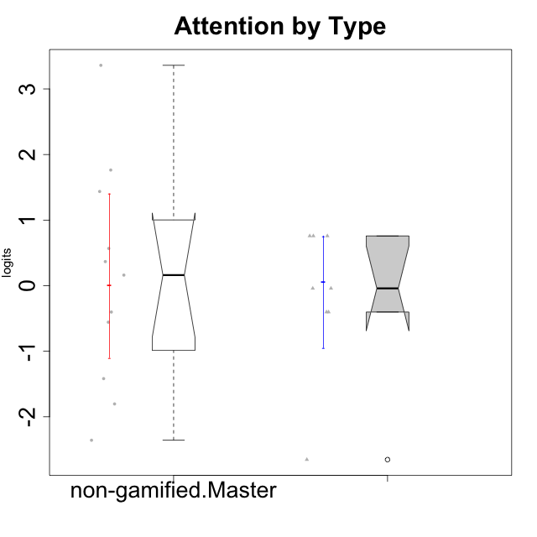

Wilcoxon data
UserID | NroUSP | Type | CLGroup | CLRole | PlayerRole | Score | theta | error | Outfit | Infit | Attention
10171 | 698531 | ont-gamified | Grupo Losvakai | Master | Yee Achiever | 23 | 0.75834141366 | 0.42822801316 | 0.13418206805 | 0.13199095526 | 0.75834141366
10172 | 10273971 | ont-gamified | Grupo Koil | Master | Yee Achiever | 23 | 0.75834141366 | 0.42822801316 | 1.4371357496 | 1.4711088377 | 0.75834141366
10175 | 10310700 | non-gamified | Grupo Team 6 | Master |  | 29 | 1.7635905586 | 0.4247231554 | 1.1406580584 | 1.1664214784 | 1.7635905586
10184 | 10276675 | non-gamified | Grupo Team 7 | Master |  | 27 | 1.4363694744 | 0.41303285888 | 0.57094836608 | 0.57460446983 | 1.4363694744
10185 | 10276960 | ont-gamified | Grupo Tosskor | Master | Yee Achiever | 19 | -0.040980812349 | 0.42845746341 | 0.53060475058 | 0.53788273762 | -0.040980812349
10188 | 10276995 | ont-gamified | Grupo Paldira | Master | Yee Achiever | 19 | -0.040980812349 | 0.42845746341 | 0.54781078934 | 0.5507357253 | -0.040980812349
10193 | 10276762 | non-gamified | Grupo Team 2 | Master |  | 16 | -0.55700708254 | 0.3856331267 | 0.38593964104 | 0.36597161755 | -0.55700708254
10197 | 10276661 | non-gamified | Grupo Team 11 | Master |  | 20 | 0.16133576622 | 0.43684675214 | 2.5657003042 | 2.5601563284 | 0.16133576622
10201 | 10276928 | non-gamified | Grupo Team 10 | Master |  | 22 | 0.56791534458 | 0.43476064674 | 0.24026514201 | 0.23823082412 | 0.56791534458
10204 | 10310471 | non-gamified | Grupo Team 5 | Master |  | 35 | 3.3604759907 | 0.78915101711 | 0.50801715986 | 0.52947835979 | 3.3604759907
10206 | 10310721 | non-gamified | Grupo Team 9 | Master |  | 17 | -0.40202239655 | 0.39996928951 | 0.43501826021 | 0.44707981858 | -0.40202239655
10208 | 10276932 | ont-gamified | Grupo Yeka | Master | Yee Socializer | 17 | -0.40202239655 | 0.39996928951 | 0.44464091833 | 0.45368730535 | -0.40202239655
10209 | 10262669 | non-gamified | Grupo Team 1 | Master |  | 3 | -2.3569124236 | 0.50963453176 | 1.3875039873 | 1.6676776674 | -2.3569124236
10211 | 9311643 | ont-gamified | Grupo Razorg | Master | Yee Achiever | 2 | -2.6523213207 | 0.5994768192 | 0.42502738648 | 0.41836910222 | -2.6523213207
10213 | 10277040 | non-gamified | Grupo Team 8 | Master |  | 21 | 0.36736393919 | 0.43855270652 | 1.1320227782 | 1.1290245466 | 0.36736393919
10216 | 10276720 | ont-gamified | Grupo Ellaru | Master | Yee Socializer | 17 | -0.40202239655 | 0.39996928951 | 2.9489652767 | 3.0126589031 | -0.40202239655
10217 | 9805341 | ont-gamified | Grupo Belos | Master | Yee Socializer | 23 | 0.75834141366 | 0.42822801316 | 0.53542735119 | 0.52979531113 | 0.75834141366
10223 | 9795185 | non-gamified | Grupo Team 3 | Master |  | 6 | -1.8032427627 | 0.39452781553 | 0.6944496942 | 0.66955403069 | -1.8032427627
10231 | 10276911 | non-gamified | Grupo Team 4 | Master |  | 9 | -1.4173134803 | 0.35722209376 | 0.52187114442 | 0.52116559778 | -1.4173134803

Type_CLRole_6
Wilcoxon Analysis for Attention by Type in Type:CLRole between ont-gamified.Apprentice:ont-gamified.Master

Wilcoxon test results
Alternative hypothesis: less
Group | N | Median | Mean.Ranks | Sum.Ranks | U | Z | p.value | r | magnitude
ont-gamified.Apprentice | 16 | 0.2643498527 | 13.25 | 212 | 76 | 0.73854894588 | 0.77052664211 | 0.15075567229 | small
ont-gamified.Master | 8 | -0.040980812349 | 11 | 88 | 76 | 0.73854894588 | 0.77052664211 | 0.15075567229 | small
Alternative hypothesis: greater
Group | N | Median | Mean.Ranks | Sum.Ranks | U | Z | p.value | r | magnitude
ont-gamified.Apprentice | 16 | 0.2643498527 | 13.25 | 212 | 76 | 0.73854894588 | 0.23911887756 | 0.15075567229 | small
ont-gamified.Master | 8 | -0.040980812349 | 11 | 88 | 76 | 0.73854894588 | 0.23911887756 | 0.15075567229 | small
Alternative hypothesis: two.sided
Group | N | Median | Mean.Ranks | Sum.Ranks | U | Z | p.value | r | magnitude
ont-gamified.Apprentice | 16 | 0.2643498527 | 13.25 | 212 | 76 | 0.73854894588 | 0.47821600036 | 0.15075567229 | small
ont-gamified.Master | 8 | -0.040980812349 | 11 | 88 | 76 | 0.73854894588 | 0.47821600036 | 0.15075567229 | small

Box plots for wilcoxon tests
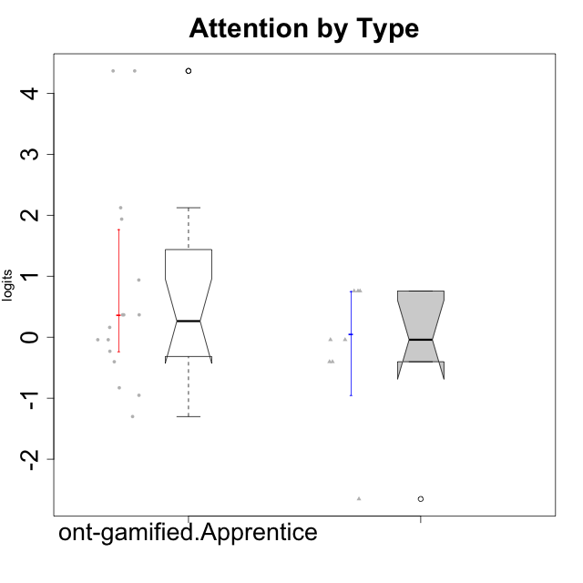

Wilcoxon data
UserID | NroUSP | Type | CLGroup | CLRole | PlayerRole | Score | theta | error | Outfit | Infit | Attention
10171 | 698531 | ont-gamified | Grupo Losvakai | Master | Yee Achiever | 23 | 0.75834141366 | 0.42822801316 | 0.13418206805 | 0.13199095526 | 0.75834141366
10172 | 10273971 | ont-gamified | Grupo Koil | Master | Yee Achiever | 23 | 0.75834141366 | 0.42822801316 | 1.4371357496 | 1.4711088377 | 0.75834141366
10179 | 10310759 | ont-gamified | Grupo Tosskor | Apprentice | Yee Achiever | 19 | -0.040980812349 | 0.42845746341 | 0.082164053243 | 0.078622884389 | -0.040980812349
10185 | 10276960 | ont-gamified | Grupo Tosskor | Master | Yee Achiever | 19 | -0.040980812349 | 0.42845746341 | 0.53060475058 | 0.53788273762 | -0.040980812349
10187 | 9790781 | ont-gamified | Grupo Razorg | Apprentice | Yee Achiever | 21 | 0.36736393919 | 0.43855270652 | 0.73225502323 | 0.73181997215 | 0.36736393919
10188 | 10276995 | ont-gamified | Grupo Paldira | Master | Yee Achiever | 19 | -0.040980812349 | 0.42845746341 | 0.54781078934 | 0.5507357253 | -0.040980812349
10191 | 10276981 | ont-gamified | Grupo Yeka | Apprentice | Yee Socializer | 30 | 1.9367637676 | 0.43830688527 | 0.53699081957 | 0.50067681132 | 1.9367637676
10192 | 10276682 | ont-gamified | Grupo Yeka | Apprentice | Yee Socializer | 36 | 4.3670998994 | 1.348405101 | 0.085295822274 | 0.086465800429 | 4.3670998994
10202 | 10277036 | ont-gamified | Grupo Paldira | Apprentice | Yee Achiever | 18 | -0.23023200857 | 0.4150966649 | 0.34574953374 | 0.34717435029 | -0.23023200857
10203 | 9921470 | ont-gamified | Grupo Paldira | Apprentice | Yee Achiever | 36 | 4.3670998994 | 1.348405101 | 0.085295822274 | 0.086465800429 | 4.3670998994
10208 | 10276932 | ont-gamified | Grupo Yeka | Master | Yee Socializer | 17 | -0.40202239655 | 0.39996928951 | 0.44464091833 | 0.45368730535 | -0.40202239655
10210 | 10277015 | ont-gamified | Grupo Losvakai | Apprentice | Yee Achiever | 13 | -0.95190662712 | 0.35696636233 | 0.76546400775 | 0.74362609745 | -0.95190662712
10211 | 9311643 | ont-gamified | Grupo Razorg | Master | Yee Achiever | 2 | -2.6523213207 | 0.5994768192 | 0.42502738648 | 0.41836910222 | -2.6523213207
10212 | 9065750 | ont-gamified | Grupo Ellaru | Apprentice | Yee Socializer | 14 | -0.82878035661 | 0.36382650031 | 0.40491710318 | 0.40848813427 | -0.82878035661
10214 | 10277022 | ont-gamified | Grupo Koil | Apprentice | Yee Achiever | 21 | 0.36736393919 | 0.43855270652 | 0.25213704594 | 0.25118709604 | 0.36736393919
10216 | 10276720 | ont-gamified | Grupo Ellaru | Master | Yee Socializer | 17 | -0.40202239655 | 0.39996928951 | 2.9489652767 | 3.0126589031 | -0.40202239655
10217 | 9805341 | ont-gamified | Grupo Belos | Master | Yee Socializer | 23 | 0.75834141366 | 0.42822801316 | 0.53542735119 | 0.52979531113 | 0.75834141366
10219 | 10276831 | ont-gamified | Grupo Razorg | Apprentice | Yee Achiever | 10 | -1.3006930783 | 0.35280261097 | 1.7507093094 | 1.7561796448 | -1.3006930783
10226 | 10310342 | ont-gamified | Grupo Yeka | Apprentice | Yee Socializer | 24 | 0.93823748285 | 0.42144381234 | 0.80210594824 | 0.81095853632 | 0.93823748285
10228 | 10310492 | ont-gamified | Grupo Losvakai | Apprentice | Yee Achiever | 19 | -0.040980812349 | 0.42845746341 | 0.17823998045 | 0.17722311723 | -0.040980812349
10230 | 10351992 | ont-gamified | Grupo Koil | Apprentice | Yee Achiever | 31 | 2.1235948058 | 0.45934128233 | 0.62674373895 | 0.64037665599 | 2.1235948058
10233 | 9805320 | ont-gamified | Grupo Tosskor | Apprentice | Yee Achiever | 20 | 0.16133576622 | 0.43684675214 | 3.4192460969 | 3.4306237573 | 0.16133576622
10237 | 10377688 | ont-gamified | Grupo Ellaru | Apprentice | Yee Socializer | 17 | -0.40202239655 | 0.39996928951 | 0.33659772969 | 0.32537031868 | -0.40202239655
10238 | 10276953 | ont-gamified | Grupo Belos | Apprentice | Yee Socializer | 21 | 0.36736393919 | 0.43855270652 | 0.23954578178 | 0.23866998926 | 0.36736393919

