global-Estimate-Items
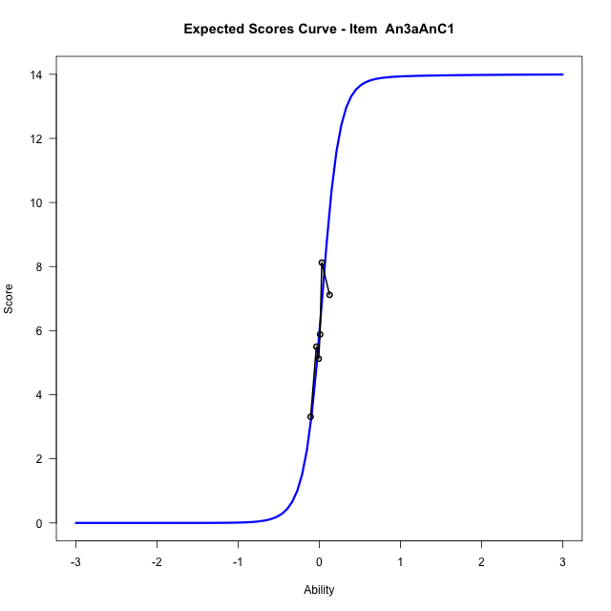
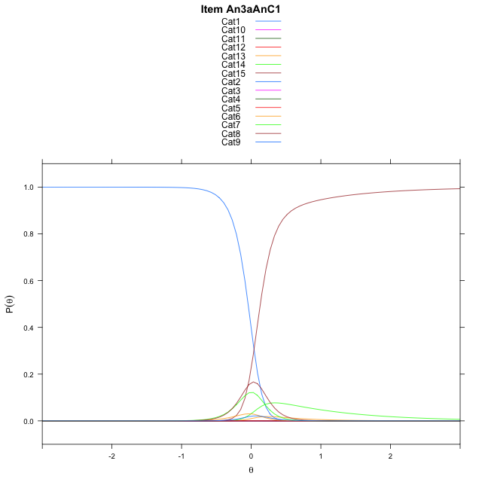
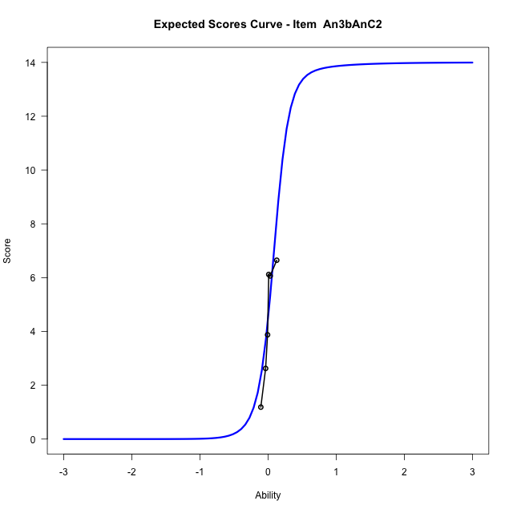
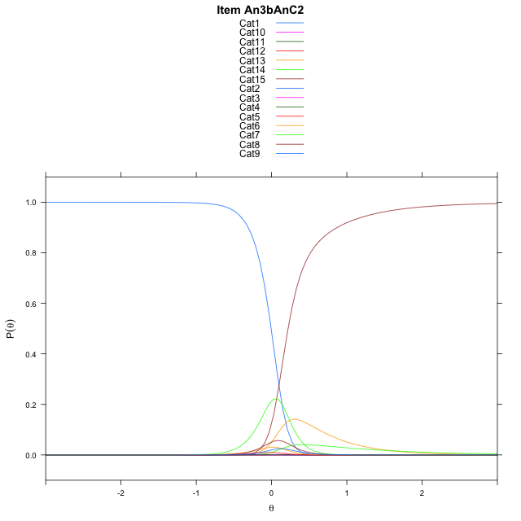
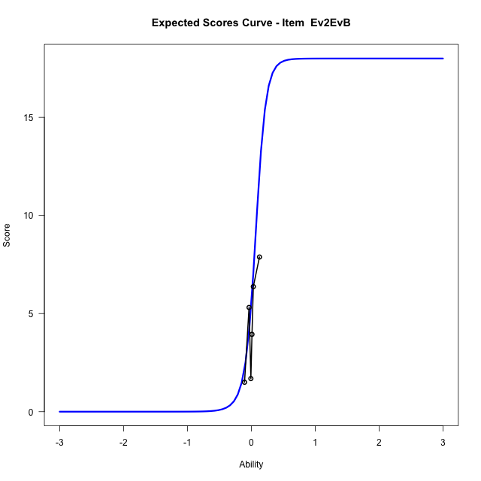
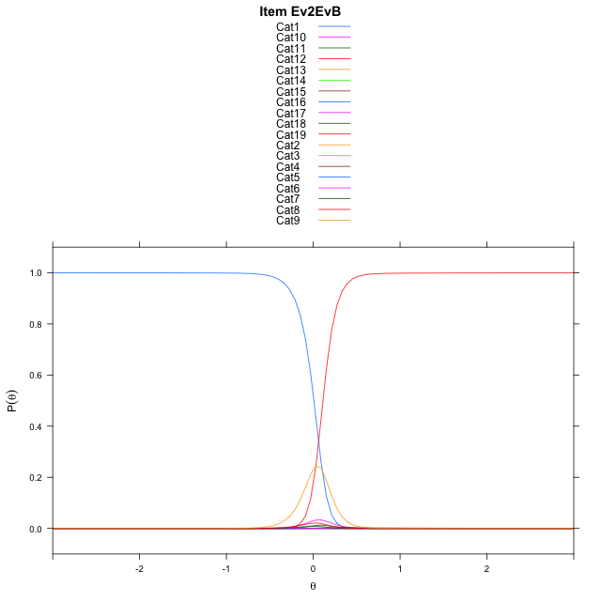
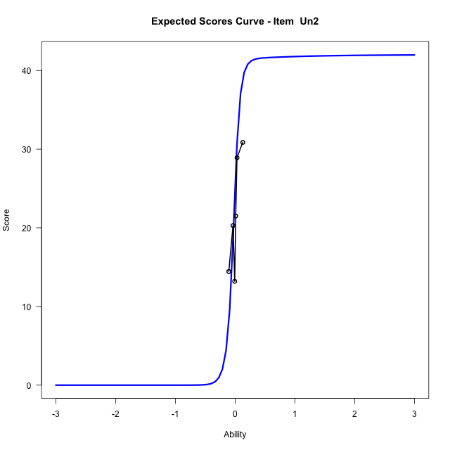
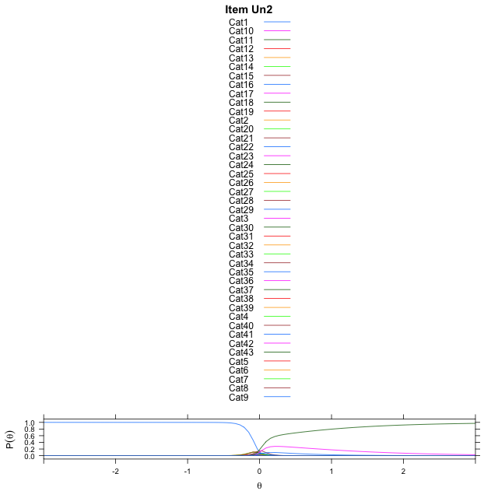
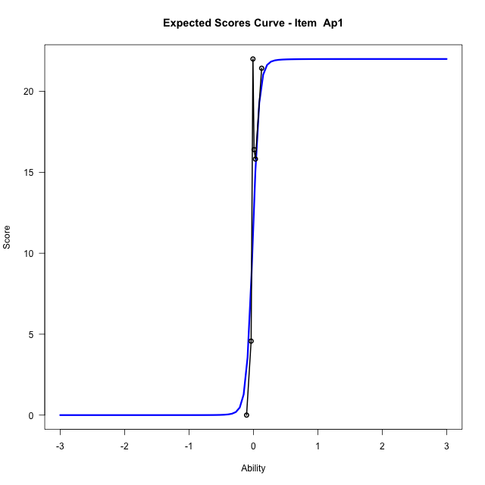
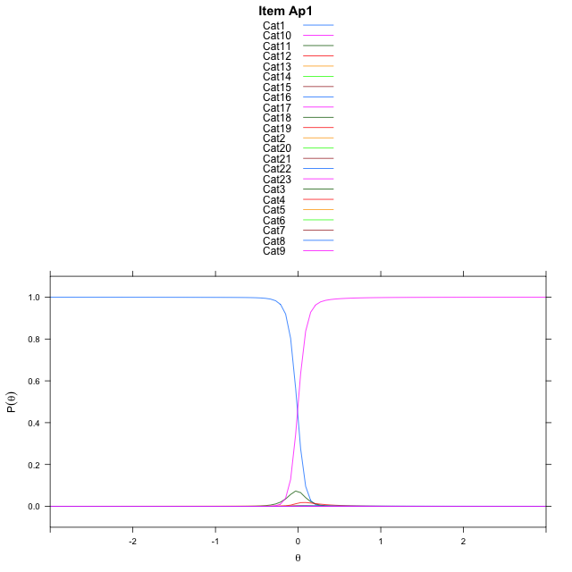
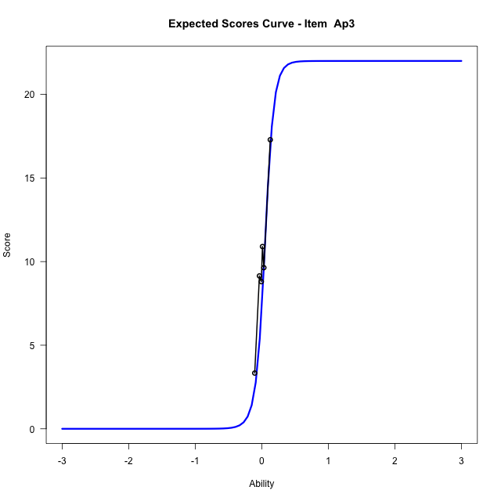
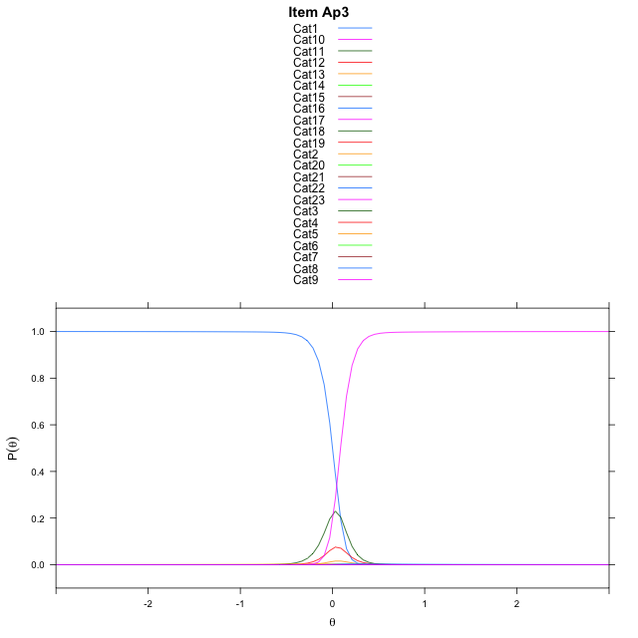
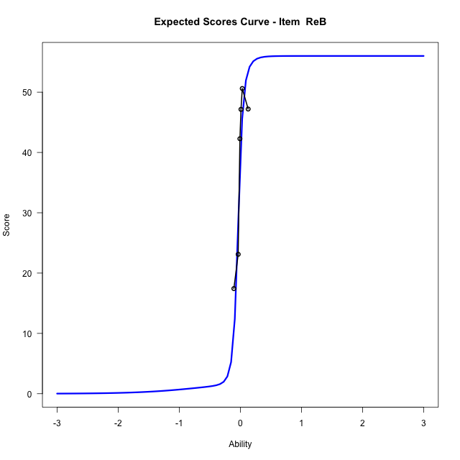
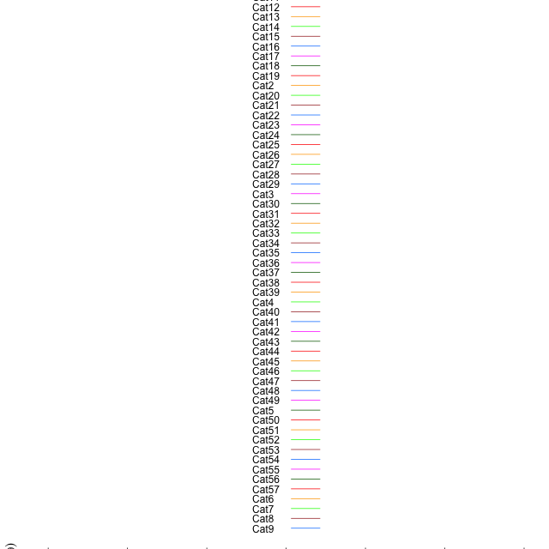
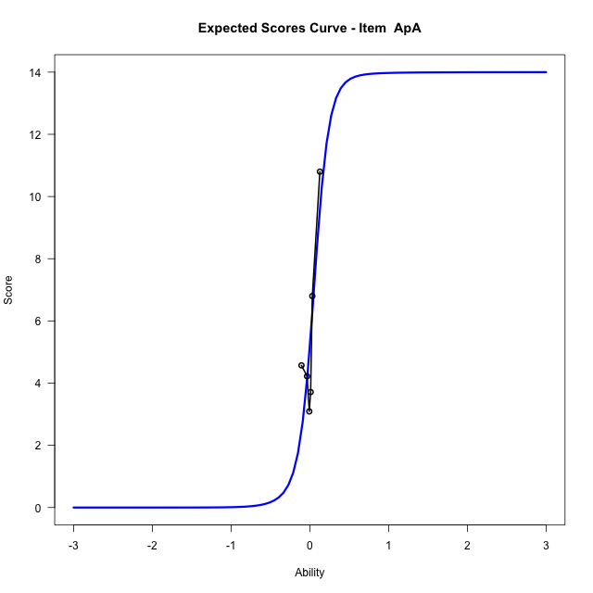
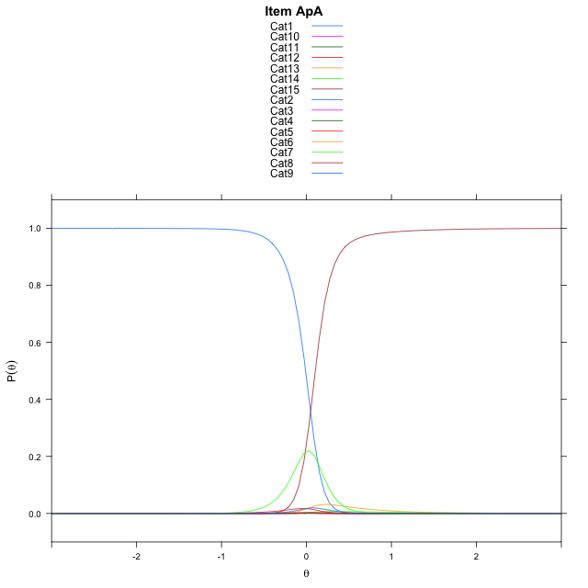
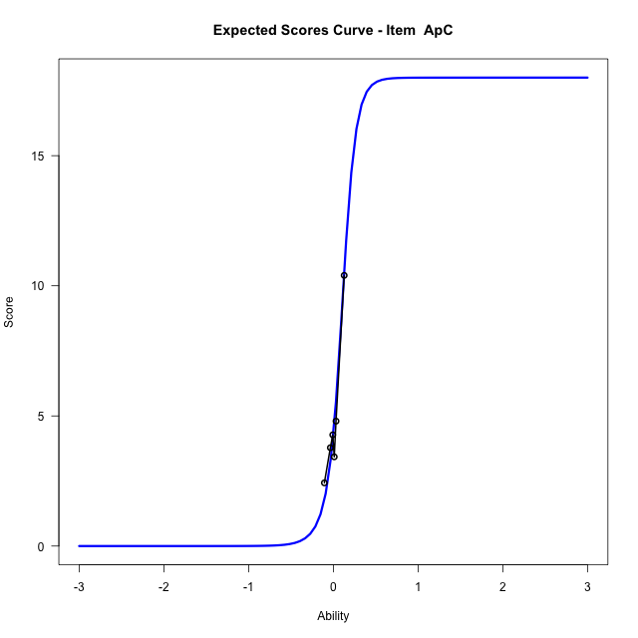
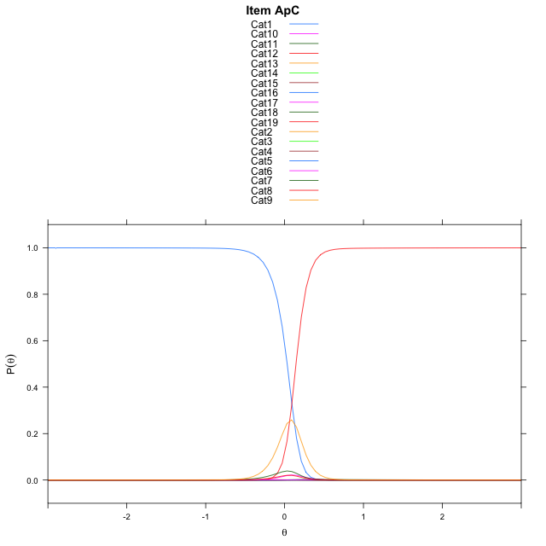
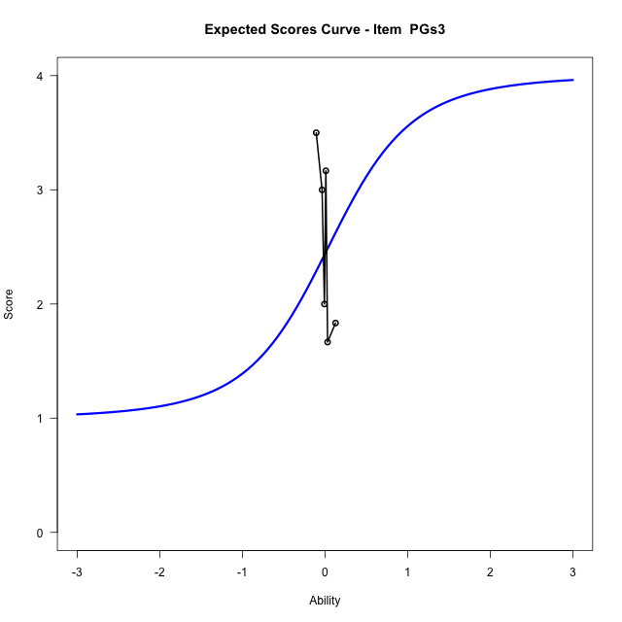
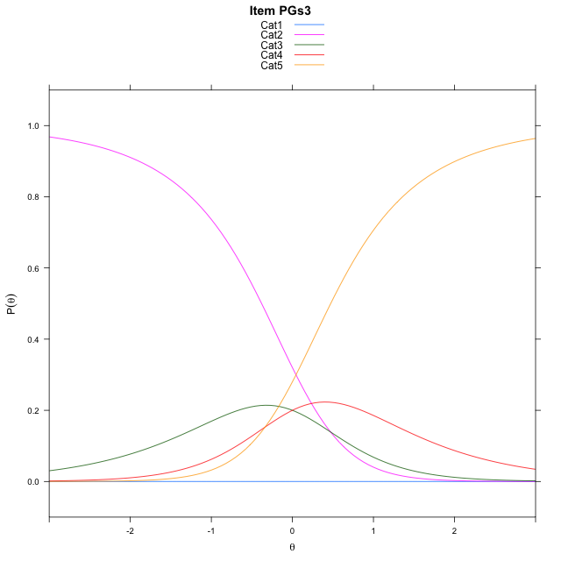
Estimate items information for the measurement model

Full Item Information
item | N | M | xsi.item | AXsi_.Cat1 | AXsi_.Cat2 | AXsi_.Cat3 | AXsi_.Cat4 | AXsi_.Cat5 | AXsi_.Cat6 | AXsi_.Cat7 | AXsi_.Cat8 | AXsi_.Cat9 | AXsi_.Cat10 | AXsi_.Cat11 | AXsi_.Cat12 | AXsi_.Cat13 | AXsi_.Cat14 | AXsi_.Cat15 | AXsi_.Cat16 | AXsi_.Cat17 | AXsi_.Cat18 | AXsi_.Cat19 | AXsi_.Cat20 | AXsi_.Cat21 | AXsi_.Cat22 | AXsi_.Cat23 | AXsi_.Cat24 | AXsi_.Cat25 | AXsi_.Cat26 | AXsi_.Cat27 | AXsi_.Cat28 | AXsi_.Cat29 | AXsi_.Cat30 | AXsi_.Cat31 | AXsi_.Cat32 | AXsi_.Cat33 | AXsi_.Cat34 | AXsi_.Cat35 | AXsi_.Cat36 | AXsi_.Cat37 | AXsi_.Cat38 | AXsi_.Cat39 | AXsi_.Cat40 | AXsi_.Cat41 | AXsi_.Cat42 | AXsi_.Cat43 | AXsi_.Cat44 | AXsi_.Cat45 | AXsi_.Cat46 | AXsi_.Cat47 | AXsi_.Cat48 | AXsi_.Cat49 | AXsi_.Cat50 | AXsi_.Cat51 | AXsi_.Cat52 | AXsi_.Cat53 | AXsi_.Cat54 | AXsi_.Cat55 | AXsi_.Cat56 | B.Cat1.Dim1 | B.Cat2.Dim1 | B.Cat3.Dim1 | B.Cat4.Dim1 | B.Cat5.Dim1 | B.Cat6.Dim1 | B.Cat7.Dim1 | B.Cat8.Dim1 | B.Cat9.Dim1 | B.Cat10.Dim1 | B.Cat11.Dim1 | B.Cat12.Dim1 | B.Cat13.Dim1 | B.Cat14.Dim1 | B.Cat15.Dim1 | B.Cat16.Dim1 | B.Cat17.Dim1 | B.Cat18.Dim1 | B.Cat19.Dim1 | B.Cat20.Dim1 | B.Cat21.Dim1 | B.Cat22.Dim1 | B.Cat23.Dim1 | B.Cat24.Dim1 | B.Cat25.Dim1 | B.Cat26.Dim1 | B.Cat27.Dim1 | B.Cat28.Dim1 | B.Cat29.Dim1 | B.Cat30.Dim1 | B.Cat31.Dim1 | B.Cat32.Dim1 | B.Cat33.Dim1 | B.Cat34.Dim1 | B.Cat35.Dim1 | B.Cat36.Dim1 | B.Cat37.Dim1 | B.Cat38.Dim1 | B.Cat39.Dim1 | B.Cat40.Dim1 | B.Cat41.Dim1 | B.Cat42.Dim1 | B.Cat43.Dim1 | B.Cat44.Dim1 | B.Cat45.Dim1 | B.Cat46.Dim1 | B.Cat47.Dim1 | B.Cat48.Dim1 | B.Cat49.Dim1 | B.Cat50.Dim1 | B.Cat51.Dim1 | B.Cat52.Dim1 | B.Cat53.Dim1 | B.Cat54.Dim1 | B.Cat55.Dim1 | B.Cat56.Dim1
An3aAnC1 | 98 | 5.8571428571 | 0.041537109834 | 6.9255538065 | 8.2881642959 | 8.3034139294 | 7.0388541178 | 2.5824349614 | 1.1806519451 | 0.8938935181 | 2.9947925104 | 7.0542897459 | 7.950233519 | 7.1649636234 | 3.7108289492 | 2.5730189982 | 0.58151953767 |  |  |  |  |  |  |  |  |  |  |  |  |  |  |  |  |  |  |  |  |  |  |  |  |  |  |  |  |  |  |  |  |  |  |  |  |  |  |  |  |  |  | 1 | 2 | 3 | 4 | 5 | 6 | 7 | 8 | 9 | 10 | 11 | 12 | 13 | 14 | 0 | 0 | 0 | 0 | 0 | 0 | 0 | 0 | 0 | 0 | 0 | 0 | 0 | 0 | 0 | 0 | 0 | 0 | 0 | 0 | 0 | 0 | 0 | 0 | 0 | 0 | 0 | 0 | 0 | 0 | 0 | 0 | 0 | 0 | 0 | 0 | 0 | 0 | 0 | 0 | 0 | 0
An3bAnC2 | 98 | 4.4591836735 | 0.099350232344 | 6.5885599162 | 7.6699144491 | 7.049663424 | 3.9482095155 | 2.7694843926 | 0.82748638184 | 2.2623436043 | 3.2005804632 | 7.3521864325 | 8.3103593068 | 7.2483621144 | 2.2731089658 | 3.8732995338 | 1.3909032528 |  |  |  |  |  |  |  |  |  |  |  |  |  |  |  |  |  |  |  |  |  |  |  |  |  |  |  |  |  |  |  |  |  |  |  |  |  |  |  |  |  |  | 1 | 2 | 3 | 4 | 5 | 6 | 7 | 8 | 9 | 10 | 11 | 12 | 13 | 14 | 0 | 0 | 0 | 0 | 0 | 0 | 0 | 0 | 0 | 0 | 0 | 0 | 0 | 0 | 0 | 0 | 0 | 0 | 0 | 0 | 0 | 0 | 0 | 0 | 0 | 0 | 0 | 0 | 0 | 0 | 0 | 0 | 0 | 0 | 0 | 0 | 0 | 0 | 0 | 0 | 0 | 0
Ev2EvB | 98 | 4.4795918367 | 0.11125657443 | 6.1467131952 | 8.2578747759 | 8.6039687779 | 8.2733979561 | 6.7807006708 | 4.394891276 | 3.5031336574 | 1.1278449071 | 3.2361345521 | 4.3457117389 | 7.5488628759 | 8.8015800176 | 9.4935554424 | 9.5537669953 | 9.2795668331 | 8.9941948234 | 7.4617944208 | 2.0026183397 |  |  |  |  |  |  |  |  |  |  |  |  |  |  |  |  |  |  |  |  |  |  |  |  |  |  |  |  |  |  |  |  |  |  |  |  |  |  | 1 | 2 | 3 | 4 | 5 | 6 | 7 | 8 | 9 | 10 | 11 | 12 | 13 | 14 | 15 | 16 | 17 | 18 | 0 | 0 | 0 | 0 | 0 | 0 | 0 | 0 | 0 | 0 | 0 | 0 | 0 | 0 | 0 | 0 | 0 | 0 | 0 | 0 | 0 | 0 | 0 | 0 | 0 | 0 | 0 | 0 | 0 | 0 | 0 | 0 | 0 | 0 | 0 | 0 | 0 | 0
Un2 | 49 | 22.183673469 | 0.0033502997462 | 6.1565831607 | 7.8826618559 | 8.8978987918 | 9.6892080328 | 10.101297068 | 10.14877253 | 9.7661585475 | 9.1258261633 | 8.0359721691 | 6.1349691342 | 1.0147278301 | -0.14169159917 | -0.27713527407 | -0.42776623835 | 4.5338274143 | 6.3151703838 | 7.3071349957 | 7.6551299968 | 7.7614033233 | 7.36919401 | 6.8288109478 | 5.8570352502 | 4.4091938771 | 1.0938409323 | 1.1313491726 | -0.34511858947 | -1.3592259385 | -0.69041468334 | 1.3649246281 | 5.295591217 | 7.19985712 | 8.3509460302 | 8.9676696436 | 9.3446356164 | 9.3017696016 | 8.863765603 | 8.3633406448 | 7.3138030503 | 5.359958786 | 1.2988331509 | 0.55191380781 | 0.14071258934 |  |  |  |  |  |  |  |  |  |  |  |  |  |  | 1 | 2 | 3 | 4 | 5 | 6 | 7 | 8 | 9 | 10 | 11 | 12 | 13 | 14 | 15 | 16 | 17 | 18 | 19 | 20 | 21 | 22 | 23 | 24 | 25 | 26 | 27 | 28 | 29 | 30 | 31 | 32 | 33 | 34 | 35 | 36 | 37 | 38 | 39 | 40 | 41 | 42 | 0 | 0 | 0 | 0 | 0 | 0 | 0 | 0 | 0 | 0 | 0 | 0 | 0 | 0
Ap1 | 49 | 12.857142857 | -0.020732211696 | 6.126732712 | 7.8878129103 | 8.5162202581 | 8.7366815563 | 8.9738343849 | 9.0860966812 | 8.653467162 | 7.7540905079 | 6.0363397551 | 1.6529588318 | 6.0552077373 | 7.454131746 | 8.0006089476 | 8.2299382158 | 7.8524099844 | 7.3012336291 | 5.939576997 | 3.0800334773 | 5.8980211611 | 6.2046727288 | 5.4815144012 | -0.45610865731 |  |  |  |  |  |  |  |  |  |  |  |  |  |  |  |  |  |  |  |  |  |  |  |  |  |  |  |  |  |  |  |  |  |  | 1 | 2 | 3 | 4 | 5 | 6 | 7 | 8 | 9 | 10 | 11 | 12 | 13 | 14 | 15 | 16 | 17 | 18 | 19 | 20 | 21 | 22 | 0 | 0 | 0 | 0 | 0 | 0 | 0 | 0 | 0 | 0 | 0 | 0 | 0 | 0 | 0 | 0 | 0 | 0 | 0 | 0 | 0 | 0 | 0 | 0 | 0 | 0 | 0 | 0 | 0 | 0 | 0 | 0 | 0 | 0
Ap3 | 49 | 9.6734693878 | -0.010892989733 | 5.4988926485 | 7.0203859078 | 7.8051108593 | 8.2181437695 | 8.4420651014 | 8.3507101203 | 7.7264448484 | 6.9606556715 | 5.018939901 | 0.032379835608 | 1.1396909578 | 2.7037026462 | 5.0911478319 | 6.6278309271 | 7.510158061 | 7.8211685045 | 7.9993161926 | 7.9399098829 | 7.6030160098 | 6.8317303701 | 5.0855718907 | -0.23964577413 |  |  |  |  |  |  |  |  |  |  |  |  |  |  |  |  |  |  |  |  |  |  |  |  |  |  |  |  |  |  |  |  |  |  | 1 | 2 | 3 | 4 | 5 | 6 | 7 | 8 | 9 | 10 | 11 | 12 | 13 | 14 | 15 | 16 | 17 | 18 | 19 | 20 | 21 | 22 | 0 | 0 | 0 | 0 | 0 | 0 | 0 | 0 | 0 | 0 | 0 | 0 | 0 | 0 | 0 | 0 | 0 | 0 | 0 | 0 | 0 | 0 | 0 | 0 | 0 | 0 | 0 | 0 | 0 | 0 | 0 | 0 | 0 | 0
ReB | 49 | 37.755102041 | -0.046675968446 | 4.0004240731 | -1.2905322026 | 3.9176433128 | 6.0257851164 | 7.0108112512 | 7.3269401016 | 7.1830832799 | 7.2061171064 | 6.3040774378 | 4.8183818366 | 0.94337545894 | 0.55772069952 | 0.30275464305 | 4.0662881695 | 5.4921797812 | 6.1367429922 | 6.6372813287 | 5.9392067697 | 4.1756317009 | -1.2766350815 | -0.4734094459 | 3.5632676513 | 5.1719339791 | 5.9069502337 | 6.0743468568 | 5.9452165326 | 5.0826393707 | 3.7806378286 | -0.41168708941 | 3.6574081807 | 5.2302746174 | 6.0208643582 | 6.1730706121 | 5.970870431 | 5.2983142871 | 3.7211337792 | 0.62689474509 | -1.5782097066 | -0.10151662039 | 3.3792075238 | 5.0731380223 | 6.0443270172 | 6.3258816776 | 5.821376599 | 5.1890346806 | 3.3163914097 | -1.1393695355 | -0.522897626 | 2.7718901264 | 5.0087544769 | 6.0256578139 | 6.3754957056 | 6.1108878625 | 5.2479493696 | 3.4296779431 | -2.613854233 | 1 | 2 | 3 | 4 | 5 | 6 | 7 | 8 | 9 | 10 | 11 | 12 | 13 | 14 | 15 | 16 | 17 | 18 | 19 | 20 | 21 | 22 | 23 | 24 | 25 | 26 | 27 | 28 | 29 | 30 | 31 | 32 | 33 | 34 | 35 | 36 | 37 | 38 | 39 | 40 | 41 | 42 | 43 | 44 | 45 | 46 | 47 | 48 | 49 | 50 | 51 | 52 | 53 | 54 | 55 | 56
ApA | 49 | 5.5510204082 | 0.026382657241 | 5.8505741836 | 6.9109061607 | 6.0114732669 | 3.2439790323 | 4.9157289309 | 0.65634185843 | 5.1663812336 | 3.1477050652 | 5.7297213963 | 6.4202483766 | 5.5636922282 | 3.1409692442 | 4.8655094522 | 0.36935720138 |  |  |  |  |  |  |  |  |  |  |  |  |  |  |  |  |  |  |  |  |  |  |  |  |  |  |  |  |  |  |  |  |  |  |  |  |  |  |  |  |  |  | 1 | 2 | 3 | 4 | 5 | 6 | 7 | 8 | 9 | 10 | 11 | 12 | 13 | 14 | 0 | 0 | 0 | 0 | 0 | 0 | 0 | 0 | 0 | 0 | 0 | 0 | 0 | 0 | 0 | 0 | 0 | 0 | 0 | 0 | 0 | 0 | 0 | 0 | 0 | 0 | 0 | 0 | 0 | 0 | 0 | 0 | 0 | 0 | 0 | 0 | 0 | 0 | 0 | 0 | 0 | 0
ApC | 49 | 5.1020408163 | 0.047120496289 | 5.9912114895 | 7.5416110617 | 8.3014923268 | 7.7092805857 | 6.1542754625 | 2.5271675764 | 3.1726384269 | 0.6816698707 | 3.2003399674 | 6.7375002185 | 7.9236806853 | 8.4934629191 | 8.6161235821 | 8.5243848534 | 8.3643252925 | 7.9658508858 | 6.4297117227 | 0.8481689332 |  |  |  |  |  |  |  |  |  |  |  |  |  |  |  |  |  |  |  |  |  |  |  |  |  |  |  |  |  |  |  |  |  |  |  |  |  |  | 1 | 2 | 3 | 4 | 5 | 6 | 7 | 8 | 9 | 10 | 11 | 12 | 13 | 14 | 15 | 16 | 17 | 18 | 0 | 0 | 0 | 0 | 0 | 0 | 0 | 0 | 0 | 0 | 0 | 0 | 0 | 0 | 0 | 0 | 0 | 0 | 0 | 0 | 0 | 0 | 0 | 0 | 0 | 0 | 0 | 0 | 0 | 0 | 0 | 0 | 0 | 0 | 0 | 0 | 0 | 0
PGs3 | 25 | 2.44 | -16.041302558 | -64.298741625 | -63.828737995 | -63.828737995 | -64.165210232 |  |  |  |  |  |  |  |  |  |  |  |  |  |  |  |  |  |  |  |  |  |  |  |  |  |  |  |  |  |  |  |  |  |  |  |  |  |  |  |  |  |  |  |  |  |  |  |  |  |  |  |  | 1 | 2 | 3 | 4 | 0 | 0 | 0 | 0 | 0 | 0 | 0 | 0 | 0 | 0 | 0 | 0 | 0 | 0 | 0 | 0 | 0 | 0 | 0 | 0 | 0 | 0 | 0 | 0 | 0 | 0 | 0 | 0 | 0 | 0 | 0 | 0 | 0 | 0 | 0 | 0 | 0 | 0 | 0 | 0 | 0 | 0 | 0 | 0 | 0 | 0 | 0 | 0 | 0 | 0 | 0 | 0

Thurstonian Thresholds (category-wise)
 | Cat1 | Cat2 | Cat3 | Cat4 | Cat5 | Cat6 | Cat7 | Cat8 | Cat9 | Cat10 | Cat11 | Cat12 | Cat13 | Cat14 | Cat15 | Cat16 | Cat17 | Cat18 | Cat19 | Cat20 | Cat21 | Cat22 | Cat23 | Cat24 | Cat25 | Cat26 | Cat27 | Cat28 | Cat29 | Cat30 | Cat31 | Cat32 | Cat33 | Cat34 | Cat35 | Cat36 | Cat37 | Cat38 | Cat39 | Cat40 | Cat41 | Cat42 | Cat43 | Cat44 | Cat45 | Cat46 | Cat47 | Cat48 | Cat49 | Cat50 | Cat51 | Cat52 | Cat53 | Cat54 | Cat55 | Cat56
An3aAnC1 | -0.044769287109 | -0.044586181641 | -0.044586181641 | -0.044586181641 | -0.044403076172 | -0.031219482422 | 0.020782470703 | 0.089263916016 | 0.098052978516 | 0.098236083984 | 0.098236083984 | 0.098419189453 | 0.10501098633 | 0.13064575195
An3bAnC2 | -0.0054016113281 | -0.0050354003906 | -0.0050354003906 | -0.0048522949219 | -0.00045776367188 | 0.013458251953 | 0.11050415039 | 0.13394165039 | 0.14419555664 | 0.14437866211 | 0.14456176758 | 0.14474487305 | 0.20114135742 | 0.21926879883
Ev2EvB | 0.0079650878906 | 0.0083312988281 | 0.0083312988281 | 0.0085144042969 | 0.0085144042969 | 0.0086975097656 | 0.011444091797 | 0.018585205078 | 0.097137451172 | 0.10702514648 | 0.11068725586 | 0.11087036133 | 0.1110534668 | 0.1110534668 | 0.1110534668 | 0.1110534668 | 0.11123657227 | 0.11178588867
Un2 | -0.097503662109 | -0.097320556641 | -0.097320556641 | -0.097320556641 | -0.097320556641 | -0.097320556641 | -0.097320556641 | -0.097320556641 | -0.097320556641 | -0.097320556641 | -0.097320556641 | -0.088348388672 | -0.064910888672 | -0.043670654297 | -0.024444580078 | -0.024261474609 | -0.024261474609 | -0.024261474609 | -0.024261474609 | -0.024261474609 | -0.024261474609 | -0.024261474609 | -0.024261474609 | -0.024078369141 | -0.021881103516 | -0.019866943359 | -0.010711669922 | 0.015838623047 | 0.031036376953 | 0.033233642578 | 0.033416748047 | 0.033416748047 | 0.033416748047 | 0.033416748047 | 0.033416748047 | 0.033416748047 | 0.033416748047 | 0.033416748047 | 0.033416748047 | 0.033599853516 | 0.048248291016 | 0.1350402832
Ap1 | -0.017303466797 | -0.017120361328 | -0.017120361328 | -0.016937255859 | -0.016937255859 | -0.016937255859 | -0.016937255859 | -0.016937255859 | -0.016937255859 | -0.016754150391 | -0.0022888183594 | -0.0021057128906 | -0.0019226074219 | -0.0019226074219 | -0.0019226074219 | -0.0019226074219 | -0.0019226074219 | -0.0017395019531 | 0.0013732910156 | 0.0015563964844 | 0.0017395019531 | 0.0019226074219
Ap3 | 0.00064086914062 | 0.0011901855469 | 0.0011901855469 | 0.0013732910156 | 0.0013732910156 | 0.0013732910156 | 0.0013732910156 | 0.0013732910156 | 0.0015563964844 | 0.0019226074219 | 0.062713623047 | 0.081756591797 | 0.085784912109 | 0.086151123047 | 0.086151123047 | 0.086334228516 | 0.086334228516 | 0.086334228516 | 0.086334228516 | 0.086334228516 | 0.086517333984 | 0.087066650391
ReB | -0.68142700195 | -0.67190551758 | -0.087615966797 | -0.087249755859 | -0.087249755859 | -0.087066650391 | -0.087066650391 | -0.087066650391 | -0.087066650391 | -0.087066650391 | -0.087066650391 | -0.082122802734 | -0.075897216797 | -0.068756103516 | -0.068572998047 | -0.068572998047 | -0.068572998047 | -0.068389892578 | -0.068389892578 | -0.068389892578 | -0.045318603516 | -0.036346435547 | -0.036163330078 | -0.036163330078 | -0.036163330078 | -0.036163330078 | -0.036163330078 | -0.036163330078 | -0.035980224609 | -0.028472900391 | -0.028289794922 | -0.028289794922 | -0.028289794922 | -0.028289794922 | -0.028289794922 | -0.028289794922 | -0.028106689453 | -0.025726318359 | -0.00064086914062 | 0.0055847167969 | 0.0057678222656 | 0.0057678222656 | 0.0057678222656 | 0.0057678222656 | 0.0057678222656 | 0.0057678222656 | 0.0059509277344 | 0.022796630859 | 0.033782958984 | 0.034149169922 | 0.034332275391 | 0.034332275391 | 0.034332275391 | 0.034332275391 | 0.034332275391 | 0.034515380859
ApA | -0.0099792480469 | -0.0094299316406 | -0.0092468261719 | -0.0086975097656 | -0.0017395019531 | -0.00045776367188 | 0.082855224609 | 0.083770751953 | 0.090728759766 | 0.091278076172 | 0.091644287109 | 0.092376708984 | 0.1022644043 | 0.10427856445
ApC | 0.032867431641 | 0.033233642578 | 0.033416748047 | 0.033416748047 | 0.033416748047 | 0.033782958984 | 0.047515869141 | 0.054473876953 | 0.1374206543 | 0.14364624023 | 0.1438293457 | 0.14401245117 | 0.14401245117 | 0.14401245117 | 0.14401245117 | 0.14419555664 | 0.14419555664 | 0.14474487305
PGs3 | -11.999908447 | -0.37966918945 | 0.036346435547 | 0.47250366211

Thurstonian Thresholds (item-wise)
 | Threshold
An3aAnC1 | 0.08770388487
An3bAnC2 | 0.16762593018
Ev2EvB | 0.21987853469
Un2 | -0.11583069908
Ap1 | -0.21107765812
Ap3 | 0.14476386062
ReB | 0.13111596261
ApA | 0.080875618395
ApC | 0.14457819593
PGs3 | -0.35117450237

Item Infit/Outfit Statistic
parameter | Outfit | Outfit_t | Outfit_p | Outfit_pholm | Infit | Infit_t | Infit_p | Infit_pholm
An3aAnC1_Cat1 | 0.99924106109 | -0.0042815693352 | 0.99658381237 | 1 | 0.99924106151 | -0.0042815593433 | 0.99658382034 | 1
An3aAnC1_Cat2 | 0.99896492213 | -0.011035495507 | 0.99119512723 | 1 | 0.99896492255 | -0.011035485485 | 0.99119513522 | 1
An3aAnC1_Cat3 | 0.99889764058 | -0.012688402648 | 0.98987639107 | 1 | 0.998897641 | -0.012688392618 | 0.98987639907 | 1
An3aAnC1_Cat4 | 0.99882970083 | -0.014360414228 | 0.988542441 | 1 | 0.99882970125 | -0.014360404191 | 0.98854244901 | 1
An3aAnC1_Cat5 | 0.99859022356 | -0.02027773579 | 0.9838218164 | 1 | 0.99859022398 | -0.020277725725 | 0.98382182443 | 1
An3aAnC1_Cat6 | 0.99924954119 | -0.016695159525 | 0.98667980876 | 1 | 0.99924954159 | -0.016695145269 | 0.98667982014 | 1
An3aAnC1_Cat7 | 1.0005840716 | 0.034525982832 | 0.97245772339 | 1 | 1.000584072 | 0.034526001833 | 0.97245770824 | 1
An3aAnC1_Cat8 | 1.0028459967 | 0.06163286801 | 0.9508552018 | 1 | 1.0028459972 | 0.061632873103 | 0.95085519775 | 1
An3aAnC1_Cat9 | 1.0023579333 | 0.057811496079 | 0.95389878095 | 1 | 1.0023579338 | 0.057811500846 | 0.95389877715 | 1
An3aAnC1_Cat10 | 1.0030671128 | 0.064380137969 | 0.94866754482 | 1 | 1.0030671133 | 0.064380142732 | 0.94866754102 | 1
An3aAnC1_Cat11 | 1.0033545355 | 0.067035591595 | 0.94655336892 | 1 | 1.003354536 | 0.067035596358 | 0.94655336513 | 1
An3aAnC1_Cat12 | 1.0040195617 | 0.073164850171 | 0.94167493689 | 1 | 1.0040195622 | 0.07316485493 | 0.94167493311 | 1
An3aAnC1_Cat13 | 1.0033126742 | 0.067048665668 | 0.94654296074 | 1 | 1.0033126747 | 0.067048670293 | 0.94654295705 | 1
An3aAnC1_Cat14 | 1.0036313033 | 0.07175898526 | 0.94279371365 | 1 | 1.0036313039 | 0.071758989561 | 0.94279371023 | 1
An3bAnC2_Cat1 | 0.99998793543 | -0.0016147204357 | 0.99871164005 | 1 | 0.99998793583 | -0.0016146219545 | 0.99871171863 | 1
An3bAnC2_Cat2 | 0.99994796825 | -0.012239882449 | 0.99023423061 | 1 | 0.99994796865 | -0.012239778459 | 0.99023431358 | 1
An3bAnC2_Cat3 | 0.99993562036 | -0.015792241962 | 0.98740013768 | 1 | 0.99993562076 | -0.015792135991 | 0.98740022223 | 1
An3bAnC2_Cat4 | 0.99991265033 | -0.022832627795 | 0.98178378159 | 1 | 0.99991265073 | -0.022832517664 | 0.98178386944 | 1
An3bAnC2_Cat5 | 1.0000029853 | 0.012176136484 | 0.99028508874 | 1 | 1.0000029857 | 0.012177756934 | 0.99028379591 | 1
An3bAnC2_Cat6 | 1.0001737855 | 0.017936305332 | 0.9856896662 | 1 | 1.0001737859 | 0.01793633702 | 0.98568964092 | 1
An3bAnC2_Cat7 | 1.0015843327 | 0.051863678796 | 0.95863731543 | 1 | 1.0015843332 | 0.051863683427 | 0.95863731174 | 1
An3bAnC2_Cat8 | 1.0022029639 | 0.064394790448 | 0.94865587804 | 1 | 1.0022029645 | 0.064394794597 | 0.94865587474 | 1
An3bAnC2_Cat9 | 1.001044423 | 0.061403820681 | 0.95103760964 | 1 | 1.0010444236 | 0.061403824723 | 0.95103760642 | 1
An3bAnC2_Cat10 | 1.0021144931 | 0.06792846814 | 0.94584257679 | 1 | 1.0021144937 | 0.067928472182 | 0.94584257357 | 1
An3bAnC2_Cat11 | 1.0025100684 | 0.070334918335 | 0.9439270905 | 1 | 1.002510069 | 0.070334922377 | 0.94392708729 | 1
An3bAnC2_Cat12 | 1.0036993043 | 0.077551658685 | 0.93818469729 | 1 | 1.003699305 | 0.077551662727 | 0.93818469407 | 1
An3bAnC2_Cat13 | 1.0027331183 | 0.085564961912 | 0.93181225262 | 1 | 1.0027331192 | 0.085564965889 | 0.93181224945 | 1
An3bAnC2_Cat14 | 1.0029068949 | 0.090209663095 | 0.9281206056 | 1 | 1.0029068959 | 0.0902096671 | 0.92812060242 | 1
Ev2EvB_Cat1 | 1.0564484015 | 1.024186267 | 0.30574730398 | 1 | 1.056448402 | 1.0241862749 | 0.30574730023 | 1
Ev2EvB_Cat2 | 1.0581113522 | 1.0448853859 | 0.29607594486 | 1 | 1.0581113527 | 1.0448853938 | 0.29607594121 | 1
Ev2EvB_Cat3 | 1.0583051988 | 1.0472804709 | 0.29497024041 | 1 | 1.0583051993 | 1.0472804788 | 0.29497023677 | 1
Ev2EvB_Cat4 | 1.0584439987 | 1.0489931746 | 0.29418125979 | 1 | 1.0584439991 | 1.0489931825 | 0.29418125616 | 1
Ev2EvB_Cat5 | 1.0586341609 | 1.0513366221 | 0.29310401287 | 1 | 1.0586341614 | 1.05133663 | 0.29310400925 | 1
Ev2EvB_Cat6 | 1.0595798525 | 1.0629390942 | 0.28780957256 | 1 | 1.059579853 | 1.0629391021 | 0.287809569 | 1
Ev2EvB_Cat7 | 1.0618170095 | 1.0331209026 | 0.30154732253 | 1 | 1.06181701 | 1.03312091 | 0.30154731906 | 1
Ev2EvB_Cat8 | 1.0701004047 | 1.0200009543 | 0.30772800814 | 1 | 1.0701004052 | 1.020000961 | 0.30772800499 | 1
Ev2EvB_Cat9 | 1.1957003097 | 0.87861609864 | 0.37960946404 | 1 | 1.1957003108 | 0.87861610288 | 0.37960946174 | 1
Ev2EvB_Cat10 | 1.2133520842 | 0.82583330636 | 0.40889865773 | 1 | 1.2133520855 | 0.82583331077 | 0.40889865523 | 1
Ev2EvB_Cat11 | 1.2182769184 | 0.80314504798 | 0.42189090292 | 1 | 1.2182769199 | 0.80314505248 | 0.42189090032 | 1
Ev2EvB_Cat12 | 1.2218658883 | 0.81273128469 | 0.41637214031 | 1 | 1.2218658898 | 0.8127312892 | 0.41637213773 | 1
Ev2EvB_Cat13 | 1.2229258477 | 0.81555152989 | 0.41475668111 | 1 | 1.2229258492 | 0.8155515344 | 0.41475667853 | 1
Ev2EvB_Cat14 | 1.2234443489 | 0.81692930421 | 0.41396883004 | 1 | 1.2234443504 | 0.81692930872 | 0.41396882746 | 1
Ev2EvB_Cat15 | 1.2239126079 | 0.81817255504 | 0.41325866405 | 1 | 1.2239126094 | 0.81817255956 | 0.41325866147 | 1
Ev2EvB_Cat16 | 1.2244964223 | 0.81972125965 | 0.4123750276 | 1 | 1.2244964238 | 0.81972126416 | 0.41237502503 | 1
Ev2EvB_Cat17 | 1.2252790949 | 0.82179513272 | 0.41119350436 | 1 | 1.2252790964 | 0.82179513723 | 0.41119350179 | 1
Ev2EvB_Cat18 | 1.229184719 | 0.83210396286 | 0.4053502652 | 1 | 1.2291847206 | 0.83210396739 | 0.40535026265 | 1
Un2_Cat1 | 1.954121451 | 1.3539849874 | 0.17574116735 | 1 | 1.954121456 | 1.3539849922 | 0.17574116581 | 1
Un2_Cat2 | 1.9507577295 | 1.3516235901 | 0.17649575987 | 1 | 1.9507577345 | 1.3516235949 | 0.17649575833 | 1
Un2_Cat3 | 1.9501234901 | 1.3511775568 | 0.17663856208 | 1 | 1.950123495 | 1.3511775616 | 0.17663856054 | 1
Un2_Cat4 | 1.9498718462 | 1.3510005173 | 0.17669526698 | 1 | 1.9498718512 | 1.3510005221 | 0.17669526544 | 1
Un2_Cat5 | 1.9497503244 | 1.3509150088 | 0.17672265981 | 1 | 1.9497503294 | 1.3509150136 | 0.17672265827 | 1
Un2_Cat6 | 1.9496638282 | 1.3508541403 | 0.17674216107 | 1 | 1.9496638331 | 1.3508541451 | 0.17674215953 | 1
Un2_Cat7 | 1.9495755267 | 1.3507919967 | 0.17676207253 | 1 | 1.9495755316 | 1.3507920015 | 0.17676207099 | 1
Un2_Cat8 | 1.9494350413 | 1.3506931178 | 0.1767937578 | 1 | 1.9494350462 | 1.3506931226 | 0.17679375626 | 1
Un2_Cat9 | 1.9491466916 | 1.350490128 | 0.17685881815 | 1 | 1.9491466965 | 1.3504901328 | 0.17685881661 | 1
Un2_Cat10 | 1.9482310711 | 1.3498452153 | 0.17706563782 | 1 | 1.9482310761 | 1.3498452201 | 0.17706563628 | 1
Un2_Cat11 | 1.9414656973 | 1.3450638437 | 0.17860461808 | 1 | 1.9414657022 | 1.3450638485 | 0.17860461653 | 1
Un2_Cat12 | 1.5110745353 | 1.1380659468 | 0.25509294626 | 1 | 1.5110745373 | 1.1380659503 | 0.25509294478 | 1
Un2_Cat13 | 1.4612124845 | 1.4062806565 | 0.15964080176 | 1 | 1.4612124857 | 1.4062806597 | 0.15964080081 | 1
Un2_Cat14 | 1.3847829305 | 1.5991997684 | 0.1097762218 | 1 | 1.3847829314 | 1.5991997716 | 0.10977622108 | 1
Un2_Cat15 | 1.3986843888 | 2.1420447547 | 0.032189880806 | 1 | 1.3986843895 | 2.1420447582 | 0.032189880519 | 1
Un2_Cat16 | 1.3972432365 | 2.1381170386 | 0.032507245384 | 1 | 1.3972432373 | 2.1381170422 | 0.032507245095 | 1
Un2_Cat17 | 1.3970051235 | 2.1374670439 | 0.032560023439 | 1 | 1.3970051243 | 2.1374670475 | 0.03256002315 | 1
Un2_Cat18 | 1.3969117464 | 2.1372120648 | 0.032580747184 | 1 | 1.3969117472 | 2.1372120684 | 0.032580746894 | 1
Un2_Cat19 | 1.3968406888 | 2.1370180015 | 0.032596527494 | 1 | 1.3968406895 | 2.137018005 | 0.032596527205 | 1
Un2_Cat20 | 1.3967707657 | 2.1368270111 | 0.032612064319 | 1 | 1.3967707665 | 2.1368270146 | 0.032612064029 | 1
Un2_Cat21 | 1.3966578477 | 2.1365185287 | 0.03263717236 | 1 | 1.3966578485 | 2.1365185322 | 0.03263717207 | 1
Un2_Cat22 | 1.3964422322 | 2.1359293003 | 0.032685176928 | 1 | 1.396442233 | 2.1359293039 | 0.032685176637 | 1
Un2_Cat23 | 1.3957948831 | 2.1341587795 | 0.032829785651 | 1 | 1.3957948838 | 2.134158783 | 0.032829785359 | 1
Un2_Cat24 | 1.3926274793 | 2.1254640475 | 0.033547910945 | 1 | 1.39262748 | 2.1254640511 | 0.033547910648 | 1
Un2_Cat25 | 1.3136835577 | 1.9996177269 | 0.045541558272 | 1 | 1.3136835584 | 1.9996177306 | 0.045541557864 | 1
Un2_Cat26 | 1.2665336157 | 1.9476659455 | 0.051454947423 | 1 | 1.2665336163 | 1.9476659495 | 0.05145494694 | 1
Un2_Cat27 | 1.119223673 | 1.7397473511 | 0.081903390873 | 1 | 1.1192236735 | 1.7397473576 | 0.081903389722 | 1
Un2_Cat28 | 0.89251501515 | -1.1377595927 | 0.25522088192 | 1 | 0.89251501555 | -1.1377595882 | 0.25522088379 | 1
Un2_Cat29 | 0.7282687267 | -1.626199953 | 0.10390712619 | 1 | 0.72826872711 | -1.6261999502 | 0.10390712678 | 1
Un2_Cat30 | 0.68402256357 | -1.761689611 | 0.078121754098 | 1 | 0.68402256397 | -1.7616896083 | 0.078121754546 | 1
Un2_Cat31 | 0.68428464587 | -1.757718491 | 0.078795419997 | 1 | 0.68428464628 | -1.7577184884 | 0.078795420448 | 1
Un2_Cat32 | 0.68432424161 | -1.7571202072 | 0.078897322104 | 1 | 0.68432424201 | -1.7571202045 | 0.078897322555 | 1
Un2_Cat33 | 0.68433765807 | -1.7569175864 | 0.078931857582 | 1 | 0.68433765848 | -1.7569175837 | 0.078931858033 | 1
Un2_Cat34 | 0.68434558646 | -1.7567978723 | 0.078952267895 | 1 | 0.68434558686 | -1.7567978697 | 0.078952268346 | 1
Un2_Cat35 | 0.68435124431 | -1.7567124528 | 0.078966833876 | 1 | 0.68435124471 | -1.7567124502 | 0.078966834327 | 1
Un2_Cat36 | 0.68435742736 | -1.7566191143 | 0.078982752723 | 1 | 0.68435742776 | -1.7566191117 | 0.078982753175 | 1
Un2_Cat37 | 0.68436765029 | -1.7564648136 | 0.079009074387 | 1 | 0.6843676507 | -1.7564648109 | 0.079009074839 | 1
Un2_Cat38 | 0.68438580269 | -1.7561909007 | 0.079055817886 | 1 | 0.68438580309 | -1.756190898 | 0.079055818338 | 1
Un2_Cat39 | 0.68444280348 | -1.7553313757 | 0.079202642673 | 1 | 0.68444280389 | -1.7553313731 | 0.079202643125 | 1
Un2_Cat40 | 0.68491483473 | -1.7482479601 | 0.080421100122 | 1 | 0.68491483513 | -1.7482479575 | 0.08042110058 | 1
Un2_Cat41 | 0.66147641232 | -1.5454277487 | 0.1222428327 | 1 | 0.66147641277 | -1.5454277462 | 0.1222428333 | 1
Un2_Cat42 | 0.59976858509 | -1.2304651075 | 0.21852298547 | 1 | 0.59976858569 | -1.2304651051 | 0.21852298637 | 1
Ap1_Cat1 | 1.6992349367 | 2.6657013236 | 0.0076827915467 | 1 | 1.6992349378 | 2.6657013271 | 0.0076827914681 | 1
Ap1_Cat2 | 1.6957042035 | 2.6597578426 | 0.0078196850755 | 1 | 1.6957042046 | 2.6597578461 | 0.0078196849956 | 1
Ap1_Cat3 | 1.6951081048 | 2.6587516957 | 0.007843074274 | 1 | 1.6951081059 | 2.6587516992 | 0.0078430741939 | 1
Ap1_Cat4 | 1.6947873493 | 2.6582099728 | 0.0078556932693 | 1 | 1.6947873504 | 2.6582099762 | 0.0078556931891 | 1
Ap1_Cat5 | 1.6945281676 | 2.6577720761 | 0.0078659070059 | 1 | 1.6945281687 | 2.6577720796 | 0.0078659069257 | 1
Ap1_Cat6 | 1.6943157564 | 2.6574130893 | 0.0078742890784 | 1 | 1.6943157575 | 2.6574130927 | 0.007874288998 | 1
Ap1_Cat7 | 1.6941193625 | 2.657081084 | 0.0078820482731 | 1 | 1.6941193636 | 2.6570810874 | 0.0078820481927 | 1
Ap1_Cat8 | 1.6938014425 | 2.6565434574 | 0.007894627507 | 1 | 1.6938014436 | 2.6565434608 | 0.0078946274264 | 1
Ap1_Cat9 | 1.6929701198 | 2.6551365722 | 0.0079276305413 | 1 | 1.6929701209 | 2.6551365756 | 0.0079276304604 | 1
Ap1_Cat10 | 1.6879931246 | 2.6466816741 | 0.0081285829711 | 1 | 1.6879931257 | 2.6466816776 | 0.0081285828884 | 1
Ap1_Cat11 | 1.5225949919 | 2.8095238805 | 0.0049614838177 | 0.92779747392 | 1.5225949927 | 2.8095238842 | 0.0049614837602 | 0.92779746316
Ap1_Cat12 | 1.5189337635 | 2.8012339729 | 0.0050907594694 | 0.94688126131 | 1.5189337643 | 2.8012339766 | 0.0050907594105 | 0.94688125035
Ap1_Cat13 | 1.5180241602 | 2.7991666912 | 0.0051234680927 | 0.94784159714 | 1.518024161 | 2.7991666949 | 0.0051234680334 | 0.94784158617
Ap1_Cat14 | 1.5174720934 | 2.7979104868 | 0.005143436473 | 0.94784159714 | 1.5174720942 | 2.7979104905 | 0.0051434364135 | 0.94784158617
Ap1_Cat15 | 1.5170080718 | 2.7968537442 | 0.0051602886875 | 0.94784159714 | 1.5170080726 | 2.7968537479 | 0.0051602886278 | 0.94784158617
Ap1_Cat16 | 1.5162712945 | 2.7951741822 | 0.0051871758977 | 0.94784159714 | 1.5162712953 | 2.7951741859 | 0.0051871758377 | 0.94784158617
Ap1_Cat17 | 1.5148570834 | 2.7919446256 | 0.0052392321378 | 0.94830101695 | 1.5148570842 | 2.7919446293 | 0.0052392320773 | 0.94830100599
Ap1_Cat18 | 1.5085620845 | 2.7774771689 | 0.0054782688627 | 0.98608839529 | 1.5085620853 | 2.7774771727 | 0.0054782687996 | 0.98608838393
Ap1_Cat19 | 1.4535779181 | 2.7725856233 | 0.0055612886773 | 0.99547067325 | 1.4535779188 | 2.7725856272 | 0.0055612886105 | 0.99547066129
Ap1_Cat20 | 1.4483419899 | 2.7591661629 | 0.0057949061441 | 1 | 1.4483419906 | 2.7591661668 | 0.0057949060746 | 1
Ap1_Cat21 | 1.4444736033 | 2.7491689784 | 0.0059746576443 | 1 | 1.444473604 | 2.7491689824 | 0.0059746575728 | 1
Ap1_Cat22 | 1.4358136269 | 2.7265288423 | 0.0064004358612 | 1 | 1.4358136276 | 2.7265288462 | 0.0064004357849 | 1
Ap3_Cat1 | 0.97835818445 | -1.0891211687 | 0.27610045604 | 1 | 0.97835818484 | -1.0891211486 | 0.27610046488 | 1
Ap3_Cat2 | 0.97883030443 | -1.1075208787 | 0.26806879046 | 1 | 0.97883030482 | -1.1075208578 | 0.26806879946 | 1
Ap3_Cat3 | 0.97892302675 | -1.1110140189 | 0.26656231506 | 1 | 0.97892302714 | -1.1110139979 | 0.2665623241 | 1
Ap3_Cat4 | 0.97896305703 | -1.1125107008 | 0.26591863183 | 1 | 0.97896305743 | -1.1125106797 | 0.26591864088 | 1
Ap3_Cat5 | 0.97898885238 | -1.1134715829 | 0.26550594634 | 1 | 0.97898885277 | -1.1134715618 | 0.2655059554 | 1
Ap3_Cat6 | 0.97900878482 | -1.1142121705 | 0.26518817543 | 1 | 0.97900878521 | -1.1142121494 | 0.26518818449 | 1
Ap3_Cat7 | 0.97903018245 | -1.1150053674 | 0.26484812168 | 1 | 0.97903018285 | -1.1150053462 | 0.26484813076 | 1
Ap3_Cat8 | 0.97907058461 | -1.1164979296 | 0.26420905594 | 1 | 0.979070585 | -1.1164979083 | 0.26420906503 | 1
Ap3_Cat9 | 0.97915873488 | -1.1197315694 | 0.26282816785 | 1 | 0.97915873527 | -1.119731548 | 0.26282817698 | 1
Ap3_Cat10 | 0.97981619971 | -1.1429370252 | 0.25306473861 | 1 | 0.97981620011 | -1.1429370026 | 0.25306474797 | 1
Ap3_Cat11 | 1.2661325241 | 1.7267289369 | 0.08421635622 | 1 | 1.2661325248 | 1.7267289406 | 0.084216355549 | 1
Ap3_Cat12 | 1.4648007248 | 1.8819273041 | 0.059845886623 | 1 | 1.4648007258 | 1.8819273074 | 0.059845886179 | 1
Ap3_Cat13 | 1.5142438578 | 1.8849103436 | 0.059441943378 | 1 | 1.5142438588 | 1.8849103469 | 0.05944194294 | 1
Ap3_Cat14 | 1.5231437858 | 1.9024986251 | 0.057105998435 | 1 | 1.5231437869 | 1.9024986283 | 0.05710599801 | 1
Ap3_Cat15 | 1.5247072856 | 1.9055645499 | 0.056706725165 | 1 | 1.5247072867 | 1.9055645531 | 0.056706724742 | 1
Ap3_Cat16 | 1.5252740162 | 1.9066741257 | 0.056562799585 | 1 | 1.5252740173 | 1.9066741289 | 0.056562799163 | 1
Ap3_Cat17 | 1.5256496383 | 1.9074090277 | 0.056467641257 | 1 | 1.5256496394 | 1.9074090309 | 0.056467640836 | 1
Ap3_Cat18 | 1.5259412577 | 1.9079792982 | 0.056393891996 | 1 | 1.5259412588 | 1.9079793014 | 0.056393891576 | 1
Ap3_Cat19 | 1.526234367 | 1.9085522353 | 0.056319878639 | 1 | 1.5262343681 | 1.9085522386 | 0.056319878219 | 1
Ap3_Cat20 | 1.5266310386 | 1.9093272103 | 0.056219894258 | 1 | 1.5266310397 | 1.9093272135 | 0.056219893839 | 1
Ap3_Cat21 | 1.5275034358 | 1.911030015 | 0.05600072379 | 1 | 1.5275034369 | 1.9110300183 | 0.056000723371 | 1
Ap3_Cat22 | 1.5326279163 | 1.9209883698 | 0.054733173739 | 1 | 1.5326279174 | 1.920988373 | 0.054733173328 | 1
ReB_Cat1 | 0.42047411608 | -1.1272701333 | 0.25962828601 | 1 | 0.42047411692 | -1.1272701306 | 0.25962828711 | 1
ReB_Cat2 | 0.41666136168 | -1.1497353311 | 0.25025289773 | 1 | 0.41666136251 | -1.1497353285 | 0.2502528988 | 1
ReB_Cat3 | 0.55054193333 | -2.6195021848 | 0.0088058208615 | 1 | 0.55054193366 | -2.6195021824 | 0.0088058209244 | 1
ReB_Cat4 | 0.5503134621 | -2.6310391912 | 0.0085124219019 | 1 | 0.55031346243 | -2.6310391887 | 0.008512421963 | 1
ReB_Cat5 | 0.55028379549 | -2.6325726005 | 0.0084740909795 | 1 | 0.55028379582 | -2.6325725981 | 0.0084740910404 | 1
ReB_Cat6 | 0.55027188636 | -2.6331905596 | 0.008458687425 | 1 | 0.55027188668 | -2.6331905571 | 0.0084586874857 | 1
ReB_Cat7 | 0.55026210871 | -2.6336989543 | 0.0084460337046 | 1 | 0.55026210904 | -2.6336989519 | 0.0084460337653 | 1
ReB_Cat8 | 0.55024904459 | -2.6343797007 | 0.0084291167395 | 1 | 0.55024904491 | -2.6343796983 | 0.0084291168001 | 1
ReB_Cat9 | 0.55023386195 | -2.6351729656 | 0.0084094418571 | 1 | 0.55023386228 | -2.6351729631 | 0.0084094419176 | 1
ReB_Cat10 | 0.55018828826 | -2.6375680352 | 0.0083502873394 | 1 | 0.55018828859 | -2.6375680328 | 0.0083502873995 | 1
ReB_Cat11 | 0.54993245919 | -2.6514258367 | 0.0080152713657 | 1 | 0.54993245952 | -2.6514258342 | 0.0080152714237 | 1
ReB_Cat12 | 0.62760719962 | -3.5542872282 | 0.00037900504514 | 0.071252948487 | 0.62760719991 | -3.5542872249 | 0.00037900504998 | 0.071252949396
ReB_Cat13 | 0.8523226341 | -4.7515004489 | 2.0191271109E-06 | 0.00039978716796 | 0.85232263445 | -4.7515004371 | 2.0191272283E-06 | 0.00039978719121
ReB_Cat14 | 1.2035292352 | 5.5361203255 | 3.0924515373E-08 | 6.1539785592E-06 | 1.2035292357 | 5.536120338 | 3.092451317E-08 | 6.1539781209E-06
ReB_Cat15 | 1.2105914234 | 5.5510462226 | 2.8396498443E-08 | 5.6792996885E-06 | 1.2105914239 | 5.5510462347 | 2.8396496468E-08 | 5.6792992937E-06
ReB_Cat16 | 1.2121861995 | 5.5543906925 | 2.7858177215E-08 | 5.5994936202E-06 | 1.2121862 | 5.5543907045 | 2.7858175288E-08 | 5.599493233E-06
ReB_Cat17 | 1.2129766739 | 5.5560449025 | 2.7595591107E-08 | 5.5743094036E-06 | 1.2129766744 | 5.5560449145 | 2.7595589204E-08 | 5.5743090191E-06
ReB_Cat18 | 1.2134406345 | 5.5570147382 | 2.7442759716E-08 | 5.5708802224E-06 | 1.213440635 | 5.5570147503 | 2.7442757826E-08 | 5.5708798387E-06
ReB_Cat19 | 1.2143491146 | 5.5589114523 | 2.7146236636E-08 | 5.5378322737E-06 | 1.2143491151 | 5.5589114643 | 2.7146234772E-08 | 5.5378318934E-06
ReB_Cat20 | 1.2198572074 | 5.5703459159 | 2.542340685E-08 | 5.2117984043E-06 | 1.2198572079 | 5.5703459277 | 2.5423405135E-08 | 5.2117980527E-06
ReB_Cat21 | 2.3774007653 | 6.2062729457 | 5.4255914155E-10 | 1.1665021543E-07 | 2.3774007665 | 6.2062729501 | 5.4255912658E-10 | 1.1665021221E-07
ReB_Cat22 | 3.0798947887 | 6.3081313991 | 2.8242440107E-10 | 6.100367063E-08 | 3.0798947907 | 6.3081314033 | 2.8242439337E-10 | 6.1003668968E-08
ReB_Cat23 | 3.0894329098 | 6.3123265164 | 2.7487151686E-10 | 6.0523460055E-08 | 3.0894329118 | 6.3123265206 | 2.7487150936E-10 | 6.0523458403E-08
ReB_Cat24 | 3.0907656747 | 6.3129107496 | 2.7383543824E-10 | 6.0523460055E-08 | 3.0907656766 | 6.3129107538 | 2.7383543077E-10 | 6.0523458403E-08
ReB_Cat25 | 3.0912470374 | 6.3131216434 | 2.7346237704E-10 | 6.0523460055E-08 | 3.0912470393 | 6.3131216476 | 2.7346236958E-10 | 6.0523458403E-08
ReB_Cat26 | 3.0915545245 | 6.3132563266 | 2.7322438858E-10 | 6.0523460055E-08 | 3.0915545264 | 6.3132563308 | 2.7322438112E-10 | 6.0523458403E-08
ReB_Cat27 | 3.0918221802 | 6.3133735425 | 2.730174299E-10 | 6.0523460055E-08 | 3.0918221821 | 6.3133735467 | 2.7301742245E-10 | 6.0523458403E-08
ReB_Cat28 | 3.092326222 | 6.3135942281 | 2.7262819845E-10 | 6.0523460055E-08 | 3.092326224 | 6.3135942323 | 2.7262819101E-10 | 6.0523458403E-08
ReB_Cat29 | 3.0939435417 | 6.3143018825 | 2.7138373329E-10 | 6.0518572523E-08 | 3.0939435436 | 6.3143018867 | 2.7138372588E-10 | 6.0518570871E-08
ReB_Cat30 | 2.9509777125 | 5.8413589587 | 5.1776703904E-09 | 1.1039349324E-06 | 2.9509777144 | 5.8413589629 | 5.1776702621E-09 | 1.103934905E-06
ReB_Cat31 | 2.951895414 | 5.8418282788 | 5.1631013834E-09 | 1.1039349324E-06 | 2.9518954159 | 5.8418282829 | 5.1631012554E-09 | 1.103934905E-06
ReB_Cat32 | 2.9520107767 | 5.8418872565 | 5.1612733746E-09 | 1.1039349324E-06 | 2.9520107786 | 5.8418872606 | 5.1612732467E-09 | 1.103934905E-06
ReB_Cat33 | 2.9520441804 | 5.8419043329 | 5.1607442102E-09 | 1.1039349324E-06 | 2.9520441824 | 5.841904337 | 5.1607440823E-09 | 1.103934905E-06
ReB_Cat34 | 2.9520628974 | 5.8419139011 | 5.1604477339E-09 | 1.1039349324E-06 | 2.9520628993 | 5.8419139052 | 5.160447606E-09 | 1.103934905E-06
ReB_Cat35 | 2.9520785954 | 5.8419219259 | 5.1601990942E-09 | 1.1039349324E-06 | 2.9520785973 | 5.84192193 | 5.1601989663E-09 | 1.103934905E-06
ReB_Cat36 | 2.9521009471 | 5.8419333519 | 5.15984509E-09 | 1.1039349324E-06 | 2.9521009491 | 5.841933356 | 5.1598449621E-09 | 1.103934905E-06
ReB_Cat37 | 2.95218119 | 5.84197437 | 5.1585744503E-09 | 1.1039349324E-06 | 2.9521811919 | 5.8419743741 | 5.1585743225E-09 | 1.103934905E-06
ReB_Cat38 | 2.8715526547 | 5.6642155894 | 1.4769861516E-08 | 3.0425914724E-06 | 2.8715526566 | 5.6642155935 | 1.4769861164E-08 | 3.0425913998E-06
ReB_Cat39 | 2.2177214193 | 4.0995879429 | 4.1388637788E-05 | 0.0081535616442 | 2.2177214207 | 4.0995879467 | 4.1388637117E-05 | 0.0081535615121
ReB_Cat40 | 2.0533661982 | 3.6606957048 | 0.00025153134506 | 0.04923279858 | 2.0533661996 | 3.6606957085 | 0.00025153134147 | 0.049232797878
ReB_Cat41 | 2.0533907964 | 3.6607241914 | 0.0002515033788 | 0.04923279858 | 2.0533907978 | 3.660724195 | 0.00025150337521 | 0.049232797878
ReB_Cat42 | 2.0533967049 | 3.6607310338 | 0.00025149666184 | 0.04923279858 | 2.0533967062 | 3.6607310374 | 0.00025149665825 | 0.049232797878
ReB_Cat43 | 2.0533998347 | 3.6607346583 | 0.00025149310383 | 0.04923279858 | 2.0533998361 | 3.6607346619 | 0.00025149310025 | 0.049232797878
ReB_Cat44 | 2.0534032323 | 3.6607385928 | 0.00025148924154 | 0.04923279858 | 2.0534032336 | 3.6607385965 | 0.00025148923795 | 0.049232797878
ReB_Cat45 | 2.05341154 | 3.6607482135 | 0.00025147979775 | 0.04923279858 | 2.0534115413 | 3.6607482171 | 0.00025147979417 | 0.049232797878
ReB_Cat46 | 2.0534347995 | 3.6607751486 | 0.00025145335966 | 0.04923279858 | 2.0534348008 | 3.6607751522 | 0.00025145335607 | 0.049232797878
ReB_Cat47 | 2.0536686351 | 3.661045901 | 0.00025118774786 | 0.04923279858 | 2.0536686365 | 3.6610459047 | 0.00025118774427 | 0.049232797878
ReB_Cat48 | 1.7548212313 | 2.7558192893 | 0.0058545332696 | 1 | 1.7548212325 | 2.7558192927 | 0.0058545332078 | 1
ReB_Cat49 | 1.6045034773 | 2.2696581353 | 0.023228333367 | 1 | 1.6045034784 | 2.2696581386 | 0.023228333164 | 1
ReB_Cat50 | 1.6050681493 | 2.2706968727 | 0.023165334473 | 1 | 1.6050681504 | 2.2706968761 | 0.023165334271 | 1
ReB_Cat51 | 1.6051506583 | 2.2708485827 | 0.023156145767 | 1 | 1.6051506593 | 2.2708485861 | 0.023156145565 | 1
ReB_Cat52 | 1.6051951567 | 2.2709303952 | 0.023151191897 | 1 | 1.6051951578 | 2.2709303986 | 0.023151191695 | 1
ReB_Cat53 | 1.6052357565 | 2.2710050354 | 0.023146673124 | 1 | 1.6052357576 | 2.2710050388 | 0.023146672921 | 1
ReB_Cat54 | 1.6053055592 | 2.2711333535 | 0.023138906441 | 1 | 1.6053055603 | 2.2711333568 | 0.023138906239 | 1
ReB_Cat55 | 1.6055380209 | 2.2715605968 | 0.023113063077 | 1 | 1.605538022 | 2.2715606002 | 0.023113062874 | 1
ReB_Cat56 | 1.607613445 | 2.2753689047 | 0.022883809112 | 1 | 1.6076134461 | 2.275368908 | 0.022883808911 | 1
ApA_Cat1 | 1.0166497057 | 0.38525452922 | 0.70004884675 | 1 | 1.0166497061 | 0.38525453844 | 0.70004883993 | 1
ApA_Cat2 | 1.015842883 | 0.37169705493 | 0.71011841798 | 1 | 1.0158428834 | 0.37169706426 | 0.71011841104 | 1
ApA_Cat3 | 1.0156243874 | 0.367979293 | 0.71288867436 | 1 | 1.0156243878 | 0.36797930235 | 0.71288866738 | 1
ApA_Cat4 | 1.015123905 | 0.35938643194 | 0.71930602342 | 1 | 1.0151239054 | 0.35938644137 | 0.71930601637 | 1
ApA_Cat5 | 1.0131077544 | 0.40010844772 | 0.6890766424 | 1 | 1.0131077548 | 0.40010845985 | 0.68907663346 | 1
ApA_Cat6 | 1.011597507 | 0.36874438872 | 0.71231825925 | 1 | 1.0115975074 | 0.36874440133 | 0.71231824985 | 1
ApA_Cat7 | 0.95654592941 | -0.41012697731 | 0.68171280407 | 1 | 0.95654592984 | -0.41012697286 | 0.68171280733 | 1
ApA_Cat8 | 0.95855488387 | -0.38402714883 | 0.70095832558 | 1 | 0.9585548843 | -0.38402714443 | 0.70095832885 | 1
ApA_Cat9 | 0.94969690177 | -0.41195995487 | 0.68036877498 | 1 | 0.94969690221 | -0.41195995086 | 0.68036877791 | 1
ApA_Cat10 | 0.9512915647 | -0.3940220963 | 0.69356472568 | 1 | 0.95129156514 | -0.39402209232 | 0.69356472862 | 1
ApA_Cat11 | 0.95193038587 | -0.38692757213 | 0.69880982834 | 1 | 0.95193038632 | -0.38692756815 | 0.69880983129 | 1
ApA_Cat12 | 0.95389465305 | -0.36542696462 | 0.71479271609 | 1 | 0.95389465349 | -0.36542696066 | 0.71479271904 | 1
ApA_Cat13 | 0.94514906225 | -0.38591406719 | 0.69956031204 | 1 | 0.9451490627 | -0.38591406354 | 0.69956031473 | 1
ApA_Cat14 | 0.94860181373 | -0.35303846679 | 0.72405960258 | 1 | 0.94860181419 | -0.35303846317 | 0.72405960529 | 1
ApC_Cat1 | 1.0118292341 | 0.79596511216 | 0.42605231374 | 1 | 1.0118292345 | 0.79596513919 | 0.42605229802 | 1
ApC_Cat2 | 1.0111628753 | 0.78170683143 | 0.43438688598 | 1 | 1.0111628757 | 0.78170685954 | 0.43438686945 | 1
ApC_Cat3 | 1.0110535197 | 0.77933147864 | 0.43578447615 | 1 | 1.0110535201 | 0.77933150694 | 0.43578445948 | 1
ApC_Cat4 | 1.0110059596 | 0.77829519217 | 0.4363950092 | 1 | 1.01100596 | 0.77829522056 | 0.43639499246 | 1
ApC_Cat5 | 1.0109183845 | 0.77638187383 | 0.43752354391 | 1 | 1.0109183849 | 0.77638190238 | 0.43752352706 | 1
ApC_Cat6 | 1.0104726182 | 0.76653710389 | 0.44335678328 | 1 | 1.0104726186 | 0.76653713327 | 0.44335676581 | 1
ApC_Cat7 | 0.99331746696 | -0.79328821569 | 0.42760992103 | 1 | 0.99331746736 | -0.79328816821 | 0.42760994869 | 1
ApC_Cat8 | 0.98414460672 | -0.8057165993 | 0.42040627614 | 1 | 0.98414460712 | -0.80571657893 | 0.42040628789 | 1
ApC_Cat9 | 0.80663189863 | -1.0349582593 | 0.30068840494 | 1 | 0.80663189909 | -1.0349582565 | 0.30068840626 | 1
ApC_Cat10 | 0.77655906848 | -1.087239661 | 0.27693090716 | 1 | 0.77655906896 | -1.0872396583 | 0.27693090835 | 1
ApC_Cat11 | 0.77758219919 | -1.0783427574 | 0.2808808224 | 1 | 0.77758219967 | -1.0783427547 | 0.2808808236 | 1
ApC_Cat12 | 0.77785814661 | -1.0759548874 | 0.28194743266 | 1 | 0.77785814709 | -1.0759548847 | 0.28194743387 | 1
ApC_Cat13 | 0.77803042263 | -1.0744666206 | 0.28261359747 | 1 | 0.77803042311 | -1.0744666179 | 0.28261359868 | 1
ApC_Cat14 | 0.77821948065 | -1.0728355781 | 0.28334489469 | 1 | 0.77821948113 | -1.0728355754 | 0.2833448959 | 1
ApC_Cat15 | 0.77850138267 | -1.0704078127 | 0.28443578417 | 1 | 0.77850138315 | -1.07040781 | 0.28443578538 | 1
ApC_Cat16 | 0.77871992889 | -1.068529169 | 0.28528187998 | 1 | 0.77871992937 | -1.0685291663 | 0.2852818812 | 1
ApC_Cat17 | 0.77896406128 | -1.0664341782 | 0.28622741842 | 1 | 0.77896406176 | -1.0664341755 | 0.28622741964 | 1
ApC_Cat18 | 0.77994982826 | -1.0580131844 | 0.29004943164 | 1 | 0.77994982874 | -1.0580131817 | 0.29004943287 | 1
PGs3_Cat1 | 0
PGs3_Cat2 | 0.99999999954 | 0.051449572565 | 0.95896728386 | 1 | 1 | 0.051449575543 | 0.95896728148 | 1
PGs3_Cat3 | 0.9999999996 | 0.0053375801068 | 0.99574124746 | 1 | 1 | 0.0053376051268 | 0.9957412275 | 1
PGs3_Cat4 | 0.9999999995 | 0.06533052327 | 0.94791084019 | 1 | 1 | 0.065330525801 | 0.94791083818 | 1

Box plot of expected curves

stacking-pre-Estimate-Items
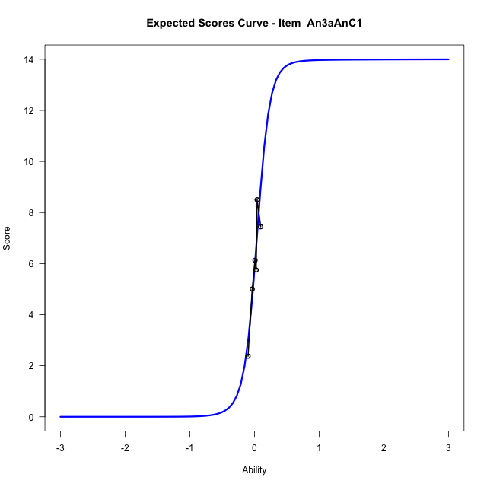
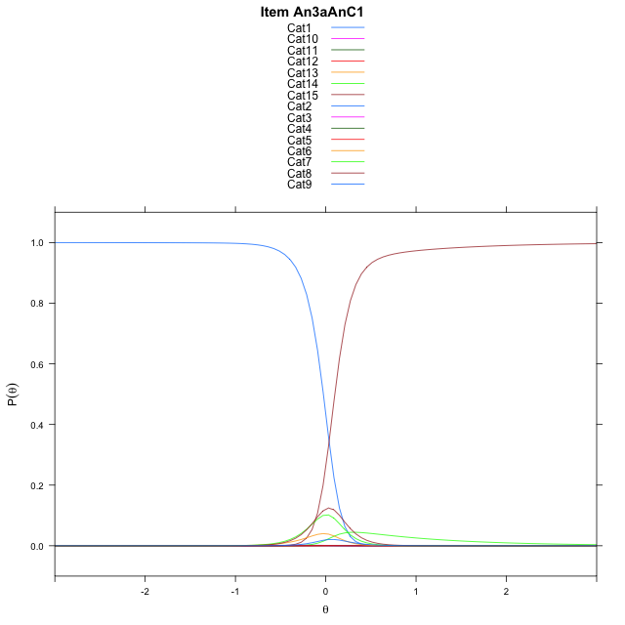
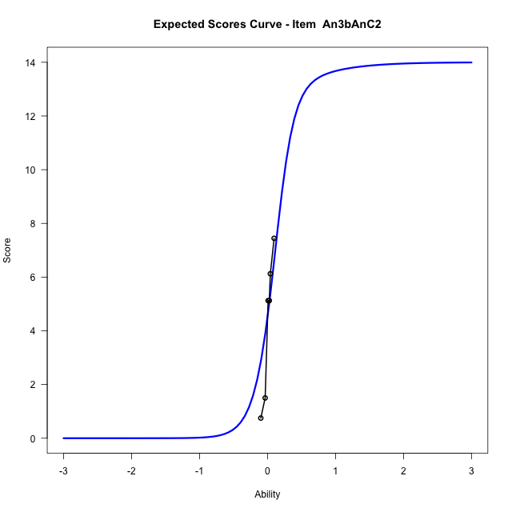
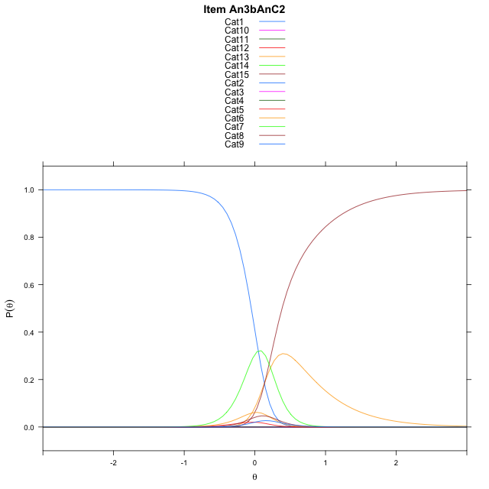
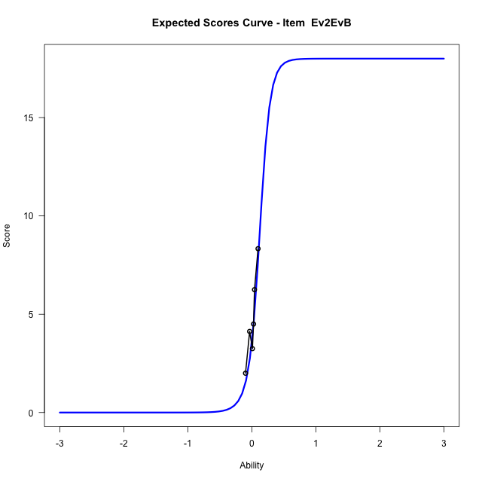
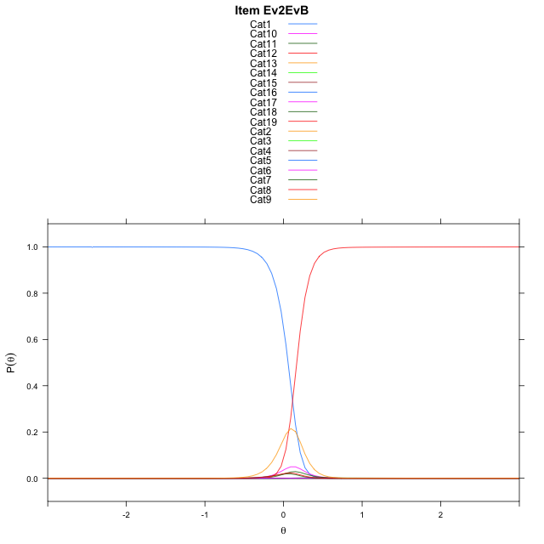
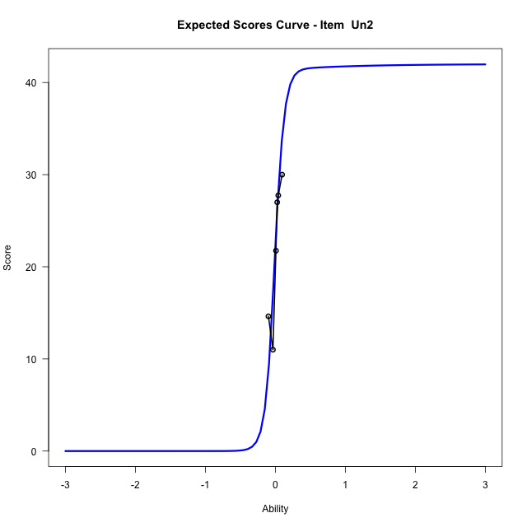
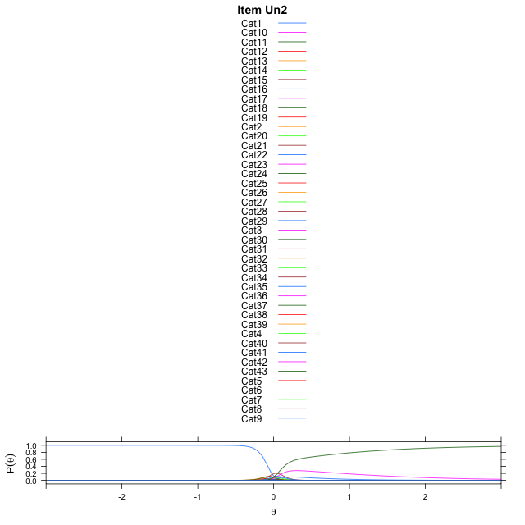
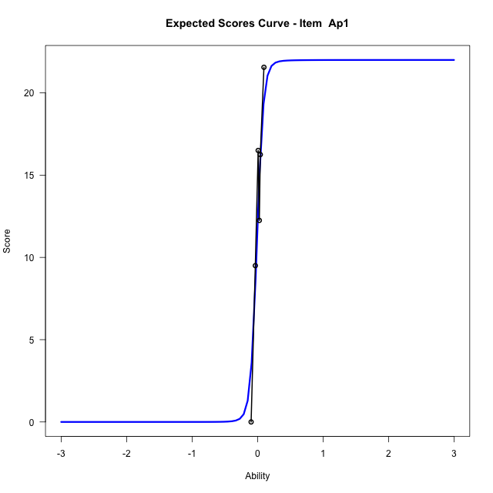

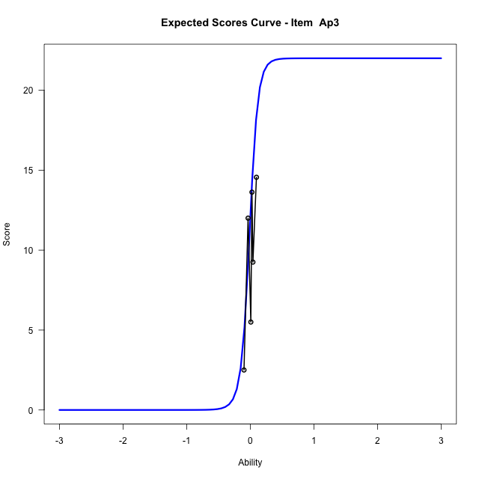

Estimate items information for the measurement model

Full Item Information
item | N | M | xsi.item | AXsi_.Cat1 | AXsi_.Cat2 | AXsi_.Cat3 | AXsi_.Cat4 | AXsi_.Cat5 | AXsi_.Cat6 | AXsi_.Cat7 | AXsi_.Cat8 | AXsi_.Cat9 | AXsi_.Cat10 | AXsi_.Cat11 | AXsi_.Cat12 | AXsi_.Cat13 | AXsi_.Cat14 | AXsi_.Cat15 | AXsi_.Cat16 | AXsi_.Cat17 | AXsi_.Cat18 | AXsi_.Cat19 | AXsi_.Cat20 | AXsi_.Cat21 | AXsi_.Cat22 | AXsi_.Cat23 | AXsi_.Cat24 | AXsi_.Cat25 | AXsi_.Cat26 | AXsi_.Cat27 | AXsi_.Cat28 | AXsi_.Cat29 | AXsi_.Cat30 | AXsi_.Cat31 | AXsi_.Cat32 | AXsi_.Cat33 | AXsi_.Cat34 | AXsi_.Cat35 | AXsi_.Cat36 | AXsi_.Cat37 | AXsi_.Cat38 | AXsi_.Cat39 | AXsi_.Cat40 | AXsi_.Cat41 | AXsi_.Cat42 | B.Cat1.Dim1 | B.Cat2.Dim1 | B.Cat3.Dim1 | B.Cat4.Dim1 | B.Cat5.Dim1 | B.Cat6.Dim1 | B.Cat7.Dim1 | B.Cat8.Dim1 | B.Cat9.Dim1 | B.Cat10.Dim1 | B.Cat11.Dim1 | B.Cat12.Dim1 | B.Cat13.Dim1 | B.Cat14.Dim1 | B.Cat15.Dim1 | B.Cat16.Dim1 | B.Cat17.Dim1 | B.Cat18.Dim1 | B.Cat19.Dim1 | B.Cat20.Dim1 | B.Cat21.Dim1 | B.Cat22.Dim1 | B.Cat23.Dim1 | B.Cat24.Dim1 | B.Cat25.Dim1 | B.Cat26.Dim1 | B.Cat27.Dim1 | B.Cat28.Dim1 | B.Cat29.Dim1 | B.Cat30.Dim1 | B.Cat31.Dim1 | B.Cat32.Dim1 | B.Cat33.Dim1 | B.Cat34.Dim1 | B.Cat35.Dim1 | B.Cat36.Dim1 | B.Cat37.Dim1 | B.Cat38.Dim1 | B.Cat39.Dim1 | B.Cat40.Dim1 | B.Cat41.Dim1 | B.Cat42.Dim1
An3aAnC1 | 49 | 5.8979591837 | 0.037004420122 | 5.9836134863 | 7.8727959654 | 7.6875173254 | 6.3009196801 | 2.3902979575 | 1.447051847 | 1.2742788549 | 3.1047195788 | 6.3976961841 | 7.425364283 | 7.4137103496 | 6.3618178365 | 3.150014916 | 0.51806188171 |  |  |  |  |  |  |  |  |  |  |  |  |  |  |  |  |  |  |  |  |  |  |  |  |  |  |  |  | 1 | 2 | 3 | 4 | 5 | 6 | 7 | 8 | 9 | 10 | 11 | 12 | 13 | 14 | 0 | 0 | 0 | 0 | 0 | 0 | 0 | 0 | 0 | 0 | 0 | 0 | 0 | 0 | 0 | 0 | 0 | 0 | 0 | 0 | 0 | 0 | 0 | 0 | 0 | 0 | 0 | 0
An3bAnC2 | 49 | 4.4081632653 | 0.13572152874 | 7.6234144361 | 8.5715202927 | 7.7359528464 | 3.0059587763 | 1.8959778866 | 0.28630066339 | 2.3012263072 | 3.0008071856 | 8.3077620199 | 9.1517720278 | 8.1882497704 | 1.6123084803 | 8.0231216131 | 1.9001014023 |  |  |  |  |  |  |  |  |  |  |  |  |  |  |  |  |  |  |  |  |  |  |  |  |  |  |  |  | 1 | 2 | 3 | 4 | 5 | 6 | 7 | 8 | 9 | 10 | 11 | 12 | 13 | 14 | 0 | 0 | 0 | 0 | 0 | 0 | 0 | 0 | 0 | 0 | 0 | 0 | 0 | 0 | 0 | 0 | 0 | 0 | 0 | 0 | 0 | 0 | 0 | 0 | 0 | 0 | 0 | 0
Ev2EvB | 49 | 4.8163265306 | 0.11524671197 | 6.4978698767 | 8.6226634611 | 8.904801829 | 7.9397374544 | 6.6216099229 | 3.5954042909 | 3.5033355497 | 1.3544718041 | 2.9133456085 | 3.6032035156 | 7.3806943007 | 9.206358841 | 10.200239274 | 10.605294859 | 10.352165679 | 9.8214588197 | 7.853708105 | 2.0744408154 |  |  |  |  |  |  |  |  |  |  |  |  |  |  |  |  |  |  |  |  |  |  |  |  | 1 | 2 | 3 | 4 | 5 | 6 | 7 | 8 | 9 | 10 | 11 | 12 | 13 | 14 | 15 | 16 | 17 | 18 | 0 | 0 | 0 | 0 | 0 | 0 | 0 | 0 | 0 | 0 | 0 | 0 | 0 | 0 | 0 | 0 | 0 | 0 | 0 | 0 | 0 | 0 | 0 | 0
Un2 | 49 | 22.183673469 | 0.0052148908952 | 6.2287645908 | 8.304032884 | 9.4439113747 | 10.432817769 | 10.68955238 | 10.465754609 | 10.196029068 | 9.4694517857 | 8.2130884887 | 6.02619685 | 0.63169117648 | -0.1913307847 | -0.22773190774 | -0.43745616783 | 4.6156851578 | 6.5788298905 | 7.5830771554 | 7.9697252625 | 8.0331081414 | 7.6443002996 | 6.9037638212 | 6.1035077621 | 4.7308105492 | 1.0111848312 | 1.2769670326 | -0.32826791601 | -1.3021816831 | -0.57275790992 | 1.3421688562 | 5.452590181 | 7.4071786192 | 8.639942664 | 9.3814682886 | 9.5995033587 | 9.2464155536 | 9.1090818284 | 8.4891706958 | 7.4922934529 | 5.807038541 | 1.3455881639 | 0.61679477482 | 0.2190254176 | 1 | 2 | 3 | 4 | 5 | 6 | 7 | 8 | 9 | 10 | 11 | 12 | 13 | 14 | 15 | 16 | 17 | 18 | 19 | 20 | 21 | 22 | 23 | 24 | 25 | 26 | 27 | 28 | 29 | 30 | 31 | 32 | 33 | 34 | 35 | 36 | 37 | 38 | 39 | 40 | 41 | 42
Ap1 | 49 | 12.857142857 | -0.02044878509 | 6.2690002444 | 8.0770941176 | 8.9132829612 | 9.2402522996 | 9.4507813171 | 9.6440216633 | 9.1474343991 | 7.9910262422 | 6.1661698807 | 1.6529053481 | 6.103871002 | 7.5859220268 | 8.2493937961 | 8.3580966386 | 8.2727538966 | 7.565557046 | 6.1155944977 | 3.0553765244 | 5.6331945147 | 6.2673877924 | 5.5169555141 | -0.44987327199 |  |  |  |  |  |  |  |  |  |  |  |  |  |  |  |  |  |  |  |  | 1 | 2 | 3 | 4 | 5 | 6 | 7 | 8 | 9 | 10 | 11 | 12 | 13 | 14 | 15 | 16 | 17 | 18 | 19 | 20 | 21 | 22 | 0 | 0 | 0 | 0 | 0 | 0 | 0 | 0 | 0 | 0 | 0 | 0 | 0 | 0 | 0 | 0 | 0 | 0 | 0 | 0
Ap3 | 49 | 9.6734693878 | 0.034188470705 | 5.7573058797 | 7.7430372095 | 8.7597709719 | 9.1188849172 | 9.3936461954 | 9.1365248308 | 9.080907497 | 8.0268925567 | 5.7713273711 | 0.82569074565 | 1.8535028575 | 3.3904379204 | 6.0295322232 | 7.5716500915 | 8.7977475781 | 9.5183806498 | 9.7104712299 | 9.1840717885 | 8.9375118905 | 8.2417823145 | 6.3661263468 | 0.75214635552 |  |  |  |  |  |  |  |  |  |  |  |  |  |  |  |  |  |  |  |  | 1 | 2 | 3 | 4 | 5 | 6 | 7 | 8 | 9 | 10 | 11 | 12 | 13 | 14 | 15 | 16 | 17 | 18 | 19 | 20 | 21 | 22 | 0 | 0 | 0 | 0 | 0 | 0 | 0 | 0 | 0 | 0 | 0 | 0 | 0 | 0 | 0 | 0 | 0 | 0 | 0 | 0

Thurstonian Thresholds (category-wise)
 | Cat1 | Cat2 | Cat3 | Cat4 | Cat5 | Cat6 | Cat7 | Cat8 | Cat9 | Cat10 | Cat11 | Cat12 | Cat13 | Cat14 | Cat15 | Cat16 | Cat17 | Cat18 | Cat19 | Cat20 | Cat21 | Cat22 | Cat23 | Cat24 | Cat25 | Cat26 | Cat27 | Cat28 | Cat29 | Cat30 | Cat31 | Cat32 | Cat33 | Cat34 | Cat35 | Cat36 | Cat37 | Cat38 | Cat39 | Cat40 | Cat41 | Cat42
An3aAnC1 | -0.026458740234 | -0.025909423828 | -0.025909423828 | -0.025726318359 | -0.025360107422 | -0.0092468261719 | 0.031036376953 | 0.078643798828 | 0.086517333984 | 0.086883544922 | 0.087066650391 | 0.087249755859 | 0.087615966797 | 0.10025024414
An3bAnC2 | -0.050445556641 | -0.050262451172 | -0.050262451172 | -0.050079345703 | -0.038909912109 | -0.0055847167969 | 0.16506958008 | 0.1872253418 | 0.20004272461 | 0.20004272461 | 0.20004272461 | 0.20022583008 | 0.38388061523 | 0.38461303711
Ev2EvB | 0.058135986328 | 0.058319091797 | 0.058502197266 | 0.058502197266 | 0.058502197266 | 0.058868408203 | 0.065460205078 | 0.073150634766 | 0.14273071289 | 0.15811157227 | 0.16690063477 | 0.16708374023 | 0.1672668457 | 0.1672668457 | 0.1672668457 | 0.1672668457 | 0.1672668457 | 0.16763305664
Un2 | -0.099151611328 | -0.098968505859 | -0.098968505859 | -0.098968505859 | -0.098968505859 | -0.098968505859 | -0.098968505859 | -0.098968505859 | -0.098968505859 | -0.098968505859 | -0.098785400391 | -0.086700439453 | -0.062530517578 | -0.040924072266 | -0.019134521484 | -0.018951416016 | -0.018951416016 | -0.018951416016 | -0.018951416016 | -0.018951416016 | -0.018951416016 | -0.018951416016 | -0.018951416016 | -0.018768310547 | -0.015289306641 | -0.012542724609 | 0.0019226074219 | 0.049530029297 | 0.076995849609 | 0.081390380859 | 0.081390380859 | 0.081390380859 | 0.081573486328 | 0.081573486328 | 0.081573486328 | 0.081573486328 | 0.081573486328 | 0.081573486328 | 0.081573486328 | 0.081756591797 | 0.099700927734 | 0.19747924805
Ap1 | -0.018035888672 | -0.017852783203 | -0.017852783203 | -0.017852783203 | -0.017852783203 | -0.017852783203 | -0.017852783203 | -0.017852783203 | -0.017852783203 | -0.017669677734 | -0.0032043457031 | -0.0030212402344 | -0.0030212402344 | -0.0030212402344 | -0.0030212402344 | -0.0028381347656 | -0.0028381347656 | -0.0026550292969 | 0.00045776367188 | 0.00064086914062 | 0.00082397460938 | 0.0010070800781
Ap3 | -0.054840087891 | -0.054473876953 | -0.054290771484 | -0.054290771484 | -0.054290771484 | -0.054290771484 | -0.054290771484 | -0.054290771484 | -0.054290771484 | -0.053924560547 | 0.00045776367188 | 0.019683837891 | 0.023895263672 | 0.024261474609 | 0.024261474609 | 0.024261474609 | 0.024261474609 | 0.024261474609 | 0.024444580078 | 0.024444580078 | 0.024444580078 | 0.024810791016

Thurstonian Thresholds (item-wise)
 | Threshold
An3aAnC1 | 0.094597345345
An3bAnC2 | 0.17410079051
Ev2EvB | 0.22662978746
Un2 | -0.046167644576
Ap1 | -0.027759870344
Ap3 | 0.11349365525

Item Infit/Outfit Statistic
parameter | Outfit | Outfit_t | Outfit_p | Outfit_pholm | Infit | Infit_t | Infit_p | Infit_pholm
An3aAnC1_Cat1 | 0.96420974668 | -0.95225303775 | 0.34096866859 | 1 | 0.96420974708 | -0.95225302704 | 0.34096867402 | 1
An3aAnC1_Cat2 | 0.96426108314 | -0.9678275009 | 0.33313052678 | 1 | 0.96426108353 | -0.96782749002 | 0.33313053222 | 1
An3aAnC1_Cat3 | 0.96427050891 | -0.97018131789 | 0.33195612121 | 1 | 0.9642705093 | -0.97018130697 | 0.33195612665 | 1
An3aAnC1_Cat4 | 0.96428243248 | -0.97301392461 | 0.33054638155 | 1 | 0.96428243288 | -0.97301391366 | 0.33054638699 | 1
An3aAnC1_Cat5 | 0.96433646775 | -0.9843440814 | 0.32494636228 | 1 | 0.96433646815 | -0.98434407031 | 0.32494636772 | 1
An3aAnC1_Cat6 | 0.98351295767 | -1.25247716 | 0.21039604578 | 1 | 0.98351295806 | -1.2524771298 | 0.21039605679 | 1
An3aAnC1_Cat7 | 1.0316262894 | 0.69772636504 | 0.48534833666 | 1 | 1.0316262898 | 0.69772637408 | 0.485348331 | 1
An3aAnC1_Cat8 | 0.93514715105 | -0.48731952945 | 0.62603191002 | 1 | 0.93514715149 | -0.48731952573 | 0.62603191266 | 1
An3aAnC1_Cat9 | 0.92395871652 | -0.50973089798 | 0.61024000323 | 1 | 0.92395871698 | -0.50973089453 | 0.61024000565 | 1
An3aAnC1_Cat10 | 0.92517948694 | -0.49814342939 | 0.61838295193 | 1 | 0.9251794874 | -0.49814342595 | 0.61838295435 | 1
An3aAnC1_Cat11 | 0.92561971235 | -0.49399475256 | 0.62130988541 | 1 | 0.92561971281 | -0.49399474912 | 0.62130988784 | 1
An3aAnC1_Cat12 | 0.92606691985 | -0.48979625905 | 0.62427807817 | 1 | 0.92606692031 | -0.48979625561 | 0.6242780806 | 1
An3aAnC1_Cat13 | 0.88211057542 | -0.81881243149 | 0.41289343716 | 1 | 0.88211057586 | -0.81881242812 | 0.41289343908 | 1
An3aAnC1_Cat14 | 0.81078332347 | -1.2367388012 | 0.2161840687 | 1 | 0.81078332389 | -1.2367387981 | 0.21618406985 | 1
An3bAnC2_Cat1 | 1.1247396643 | 2.2565886907 | 0.024033787693 | 1 | 1.1247396648 | 2.2565886987 | 0.02403378719 | 1
An3bAnC2_Cat2 | 1.1242989633 | 2.2539488135 | 0.024199388304 | 1 | 1.1242989638 | 2.2539488216 | 0.024199387797 | 1
An3bAnC2_Cat3 | 1.124128427 | 2.2529258266 | 0.024263826139 | 1 | 1.1241284274 | 2.2529258347 | 0.02426382563 | 1
An3bAnC2_Cat4 | 1.1237356258 | 2.2505664755 | 0.024413008751 | 1 | 1.1237356263 | 2.2505664835 | 0.024413008239 | 1
An3bAnC2_Cat5 | 1.0834028302 | 1.9813225544 | 0.047555112616 | 1 | 1.0834028307 | 1.9813225645 | 0.047555111477 | 1
An3bAnC2_Cat6 | 1.0066737049 | 1.1426416335 | 0.25318741217 | 1 | 1.0066737053 | 1.1426417023 | 0.25318738364 | 1
An3bAnC2_Cat7 | 1.3731040436 | 1.6624808761 | 0.096416394679 | 1 | 1.3731040444 | 1.6624808794 | 0.096416394026 | 1
An3bAnC2_Cat8 | 1.4043663243 | 1.466383057 | 0.14254395949 | 1 | 1.4043663253 | 1.4663830602 | 0.14254395864 | 1
An3bAnC2_Cat9 | 1.4773891038 | 1.5256112249 | 0.12710671498 | 1 | 1.477389105 | 1.5256112281 | 0.12710671418 | 1
An3bAnC2_Cat10 | 1.4783920471 | 1.5274932083 | 0.12663841479 | 1 | 1.4783920483 | 1.5274932115 | 0.12663841399 | 1
An3bAnC2_Cat11 | 1.4788237841 | 1.5283024965 | 0.12643745037 | 1 | 1.4788237853 | 1.5283024997 | 0.12643744958 | 1
An3bAnC2_Cat12 | 1.4799567258 | 1.5304237626 | 0.12591187086 | 1 | 1.4799567271 | 1.5304237657 | 0.12591187007 | 1
An3bAnC2_Cat13 | 3.1859473375 | 2.8768213583 | 0.0040170293686 | 0.53024787665 | 3.1859473431 | 2.8768213632 | 0.0040170293062 | 0.53024786842
An3bAnC2_Cat14 | 2.8803254882 | 2.5950242721 | 0.0094584239275 | 1 | 2.8803254932 | 2.5950242768 | 0.009458423797 | 1
Ev2EvB_Cat1 | 1.141749153 | 1.4895549764 | 0.13634128784 | 1 | 1.1417491535 | 1.4895549814 | 0.13634128654 | 1
Ev2EvB_Cat2 | 1.1442062863 | 1.5035679615 | 0.1326926457 | 1 | 1.1442062868 | 1.5035679665 | 0.13269264442 | 1
Ev2EvB_Cat3 | 1.1445014909 | 1.5052417313 | 0.13226193978 | 1 | 1.1445014914 | 1.5052417362 | 0.13226193851 | 1
Ev2EvB_Cat4 | 1.1447243631 | 1.5065040104 | 0.1319378384 | 1 | 1.1447243636 | 1.5065040154 | 0.13193783713 | 1
Ev2EvB_Cat5 | 1.1453103675 | 1.509817329 | 0.13109004202 | 1 | 1.145310368 | 1.5098173339 | 0.13109004075 | 1
Ev2EvB_Cat6 | 1.1475124473 | 1.5221958654 | 0.12796001083 | 1 | 1.1475124478 | 1.5221958703 | 0.12796000959 | 1
Ev2EvB_Cat7 | 1.1975210872 | 1.7768952724 | 0.075585472379 | 1 | 1.1975210877 | 1.7768952769 | 0.075585471633 | 1
Ev2EvB_Cat8 | 1.2260191954 | 1.7867841027 | 0.073972389721 | 1 | 1.226019196 | 1.7867841069 | 0.073972389046 | 1
Ev2EvB_Cat9 | 1.0396147112 | 0.23008770153 | 0.8180236213 | 1 | 1.0396147121 | 0.23008770437 | 0.81802361909 | 1
Ev2EvB_Cat10 | 1.1896538895 | 0.59843407944 | 0.549550332 | 1 | 1.1896538908 | 0.59843408252 | 0.54955032995 | 1
Ev2EvB_Cat11 | 1.4311807566 | 1.0260956777 | 0.30484648747 | 1 | 1.4311807585 | 1.0260956811 | 0.30484648585 | 1
Ev2EvB_Cat12 | 1.4380306649 | 1.0361615121 | 0.30012679907 | 1 | 1.4380306668 | 1.0361615155 | 0.30012679747 | 1
Ev2EvB_Cat13 | 1.4391410153 | 1.0377844853 | 0.29937040145 | 1 | 1.4391410172 | 1.0377844887 | 0.29937039985 | 1
Ev2EvB_Cat14 | 1.4395524761 | 1.0383852976 | 0.29909071164 | 1 | 1.439552478 | 1.038385301 | 0.29909071004 | 1
Ev2EvB_Cat15 | 1.4398270396 | 1.0387860299 | 0.29890425993 | 1 | 1.4398270415 | 1.0387860334 | 0.29890425832 | 1
Ev2EvB_Cat16 | 1.4401808607 | 1.0393022246 | 0.29866420055 | 1 | 1.4401808626 | 1.0393022281 | 0.29866419895 | 1
Ev2EvB_Cat17 | 1.440782843 | 1.040179906 | 0.29825632522 | 1 | 1.4407828449 | 1.0401799095 | 0.29825632362 | 1
Ev2EvB_Cat18 | 1.4451059553 | 1.0464623322 | 0.29534762724 | 1 | 1.4451059572 | 1.0464623356 | 0.29534762565 | 1
Un2_Cat1 | 0.76834500229 | -0.59520494744 | 0.55170648362 | 1 | 0.76834500307 | -0.59520494481 | 0.55170648537 | 1
Un2_Cat2 | 0.76724087558 | -0.60002880611 | 0.54848703785 | 1 | 0.76724087636 | -0.60002880349 | 0.5484870396 | 1
Un2_Cat3 | 0.76711408148 | -0.60058392987 | 0.54811714409 | 1 | 0.76711408225 | -0.60058392725 | 0.54811714583 | 1
Un2_Cat4 | 0.76707626851 | -0.60074952746 | 0.54800682587 | 1 | 0.76707626929 | -0.60074952484 | 0.54800682762 | 1
Un2_Cat5 | 0.7670629181 | -0.60080799923 | 0.54796787562 | 1 | 0.76706291887 | -0.60080799661 | 0.54796787737 | 1
Un2_Cat6 | 0.76705309143 | -0.60085103949 | 0.54793920576 | 1 | 0.76705309221 | -0.60085103687 | 0.54793920751 | 1
Un2_Cat7 | 0.76704142172 | -0.60090215408 | 0.5479051584 | 1 | 0.7670414225 | -0.60090215146 | 0.54790516015 | 1
Un2_Cat8 | 0.76702687681 | -0.60096586521 | 0.54786272198 | 1 | 0.76702687759 | -0.60096586258 | 0.54786272373 | 1
Un2_Cat9 | 0.76699813931 | -0.60109175355 | 0.54777887562 | 1 | 0.76699814008 | -0.60109175093 | 0.54777887736 | 1
Un2_Cat10 | 0.76690154387 | -0.60151499333 | 0.54749702854 | 1 | 0.76690154465 | -0.60151499071 | 0.54749703028 | 1
Un2_Cat11 | 0.76606701414 | -0.6051773981 | 0.54506113182 | 1 | 0.76606701492 | -0.60517739548 | 0.54506113356 | 1
Un2_Cat12 | 0.87179198502 | -0.36889616907 | 0.71220511892 | 1 | 0.87179198573 | -0.3688961664 | 0.71220512091 | 1
Un2_Cat13 | 0.96010689157 | -0.13930390069 | 0.88921000763 | 1 | 0.96010689214 | -0.13930389774 | 0.88921000997 | 1
Un2_Cat14 | 0.98943770906 | -0.036752209061 | 0.97068257993 | 1 | 0.98943770954 | -0.036752205388 | 0.97068258285 | 1
Un2_Cat15 | 0.99953829173 | 0.01479077688 | 0.98819909776 | 1 | 0.99953829215 | 0.014790783305 | 0.98819909264 | 1
Un2_Cat16 | 0.99900710535 | 0.0064800862469 | 0.99482967542 | 1 | 0.99900710577 | 0.0064800927023 | 0.99482967027 | 1
Un2_Cat17 | 0.99893549859 | 0.005352598896 | 0.99572926437 | 1 | 0.99893549901 | 0.0053526053555 | 0.99572925922 | 1
Un2_Cat18 | 0.99890960825 | 0.0049445174334 | 0.99605486195 | 1 | 0.99890960867 | 0.0049445238944 | 0.9960548568 | 1
Un2_Cat19 | 0.99889238886 | 0.0046729817749 | 0.99627151356 | 1 | 0.99889238928 | 0.0046729882369 | 0.9962715084 | 1
Un2_Cat20 | 0.99887659467 | 0.0044238323088 | 0.99647030401 | 1 | 0.99887659509 | 0.0044238387717 | 0.99647029886 | 1
Un2_Cat21 | 0.99885371118 | 0.004062701548 | 0.99675844208 | 1 | 0.9988537116 | 0.0040627080123 | 0.99675843692 | 1
Un2_Cat22 | 0.99880639047 | 0.0033153586536 | 0.99735473136 | 1 | 0.99880639089 | 0.0033153651205 | 0.9973547262 | 1
Un2_Cat23 | 0.99870088468 | 0.0016463538801 | 0.99868640025 | 1 | 0.9987008851 | 0.0016463603532 | 0.99868639509 | 1
Un2_Cat24 | 0.99827923313 | -0.0050619503364 | 0.99596116523 | 1 | 0.99827923355 | -0.0050619438386 | 0.99596117041 | 1
Un2_Cat25 | 0.99846251368 | -0.012121609027 | 0.99032859215 | 1 | 0.99846251409 | -0.012121601104 | 0.99032859847 | 1
Un2_Cat26 | 1.0003976269 | 0.023427606082 | 0.98130918458 | 1 | 1.0003976273 | 0.023427615894 | 0.98130917675 | 1
Un2_Cat27 | 0.99984670261 | -0.033259527724 | 0.97346762809 | 1 | 0.99984670301 | -0.033259437088 | 0.97346770036 | 1
Un2_Cat28 | 0.94322753448 | -0.40465270424 | 0.68573281194 | 1 | 0.94322753493 | -0.40465270058 | 0.68573281463 | 1
Un2_Cat29 | 0.77654030247 | -1.0874034894 | 0.27685852976 | 1 | 0.77654030295 | -1.0874034867 | 0.27685853095 | 1
Un2_Cat30 | 0.72423160169 | -1.2931629293 | 0.19595471401 | 1 | 0.72423160215 | -1.2931629267 | 0.19595471491 | 1
Un2_Cat31 | 0.72463372434 | -1.2894110339 | 0.19725522747 | 1 | 0.72463372481 | -1.2894110313 | 0.19725522837 | 1
Un2_Cat32 | 0.72469483911 | -1.2888419253 | 0.19745304724 | 1 | 0.72469483958 | -1.2888419227 | 0.19745304814 | 1
Un2_Cat33 | 0.7247142337 | -1.2886613811 | 0.19751583397 | 1 | 0.72471423417 | -1.2886613785 | 0.19751583487 | 1
Un2_Cat34 | 0.72472428812 | -1.2885677961 | 0.19754838519 | 1 | 0.72472428859 | -1.2885677935 | 0.1975483861 | 1
Un2_Cat35 | 0.7247331209 | -1.2884855885 | 0.19757698232 | 1 | 0.72473312137 | -1.2884855859 | 0.19757698322 | 1
Un2_Cat36 | 0.72474680027 | -1.288358285 | 0.19762127267 | 1 | 0.72474680074 | -1.2883582824 | 0.19762127357 | 1
Un2_Cat37 | 0.72476383929 | -1.2881997362 | 0.19767644381 | 1 | 0.72476383976 | -1.2881997336 | 0.19767644471 | 1
Un2_Cat38 | 0.72479833501 | -1.2878788212 | 0.19778814892 | 1 | 0.72479833547 | -1.2878788186 | 0.19778814982 | 1
Un2_Cat39 | 0.72490106757 | -1.2869236433 | 0.19812090353 | 1 | 0.72490106804 | -1.2869236407 | 0.19812090443 | 1
Un2_Cat40 | 0.72551424652 | -1.2812394359 | 0.20010957837 | 1 | 0.72551424699 | -1.2812394333 | 0.20010957928 | 1
Un2_Cat41 | 0.70393886997 | -1.1696535088 | 0.24214043454 | 1 | 0.70393887049 | -1.1696535063 | 0.24214043555 | 1
Un2_Cat42 | 0.68781644402 | -0.75222852988 | 0.45191363937 | 1 | 0.68781644483 | -0.75222852727 | 0.45191364094 | 1
Ap1_Cat1 | 0.96422457779 | -0.87918101353 | 0.37930313728 | 1 | 0.96422457818 | -0.87918100359 | 0.37930314266 | 1
Ap1_Cat2 | 0.96419570145 | -0.89004879725 | 0.37343968473 | 1 | 0.96419570184 | -0.8900487872 | 0.37343969012 | 1
Ap1_Cat3 | 0.96419193288 | -0.89179382405 | 0.37250345262 | 1 | 0.96419193328 | -0.89179381399 | 0.37250345801 | 1
Ap1_Cat4 | 0.96419039473 | -0.89254001564 | 0.37210355438 | 1 | 0.96419039512 | -0.89254000557 | 0.37210355977 | 1
Ap1_Cat5 | 0.96418933549 | -0.89306670021 | 0.37182145439 | 1 | 0.96418933589 | -0.89306669014 | 0.37182145978 | 1
Ap1_Cat6 | 0.96418849701 | -0.89349155106 | 0.37159399471 | 1 | 0.9641884974 | -0.89349154098 | 0.3715940001 | 1
Ap1_Cat7 | 0.96418781783 | -0.8938410938 | 0.37140691874 | 1 | 0.96418781822 | -0.89384108372 | 0.37140692414 | 1
Ap1_Cat8 | 0.96418672258 | -0.89441553749 | 0.37109960229 | 1 | 0.96418672298 | -0.89441552741 | 0.37109960769 | 1
Ap1_Cat9 | 0.96418341809 | -0.8962391861 | 0.3701250311 | 1 | 0.96418341848 | -0.89623917599 | 0.37012503649 | 1
Ap1_Cat10 | 0.96416876806 | -0.90756741455 | 0.36410681689 | 1 | 0.96416876845 | -0.90756740432 | 0.36410682229 | 1
Ap1_Cat11 | 1.002808777 | 0.80074521836 | 0.42327915896 | 1 | 1.0028087774 | 0.80074533246 | 0.42327909289 | 1
Ap1_Cat12 | 1.0032246085 | 0.81213980672 | 0.41671141407 | 1 | 1.0032246089 | 0.81213990753 | 0.41671135623 | 1
Ap1_Cat13 | 1.0033207766 | 0.81473408305 | 0.41522453947 | 1 | 1.003320777 | 0.81473418126 | 0.41522448324 | 1
Ap1_Cat14 | 1.0033705835 | 0.81607185359 | 0.4144590409 | 1 | 1.0033705839 | 0.81607195052 | 0.41445898547 | 1
Ap1_Cat15 | 1.0034154643 | 0.81727393496 | 0.41377189879 | 1 | 1.0034154647 | 0.81727403075 | 0.41377184406 | 1
Ap1_Cat16 | 1.0034649297 | 0.81859512964 | 0.41301744665 | 1 | 1.0034649301 | 0.81859522422 | 0.41301739267 | 1
Ap1_Cat17 | 1.0035675912 | 0.82132499827 | 0.41146117222 | 1 | 1.0035675916 | 0.82132509043 | 0.41146111974 | 1
Ap1_Cat18 | 1.0039824657 | 0.83219479626 | 0.40529900066 | 1 | 1.0039824661 | 0.83219487993 | 0.40529895344 | 1
Ap1_Cat19 | 1.010517247 | 0.76753085418 | 0.44276595582 | 1 | 1.0105172474 | 0.76753088347 | 0.44276593842 | 1
Ap1_Cat20 | 1.0111996266 | 0.78250282201 | 0.43391912754 | 1 | 1.011199627 | 0.78250285006 | 0.43391911106 | 1
Ap1_Cat21 | 1.0115517978 | 0.79007296435 | 0.42948515782 | 1 | 1.0115517982 | 0.79007299182 | 0.42948514178 | 1
Ap1_Cat22 | 1.0123100168 | 0.80603255243 | 0.42022407967 | 1 | 1.0123100172 | 0.80603257874 | 0.4202240645 | 1
Ap3_Cat1 | 0.98398049989 | -1.2645443478 | 0.20603471364 | 1 | 0.98398050028 | -1.2645443164 | 0.20603472491 | 1
Ap3_Cat2 | 0.98473978811 | -1.283512399 | 0.19931261848 | 1 | 0.98473978851 | -1.2835123655 | 0.1993126302 | 1
Ap3_Cat3 | 0.98483958121 | -1.2859512635 | 0.19846007114 | 1 | 0.98483958161 | -1.2859512298 | 0.19846008292 | 1
...
Item Infit/Outfit Statistic
Ap3_Cat16 | 1.0601130418 | 0.43164821028 | 0.66599711351 | 1 | 1.0601130424 | 0.43164821368 | 0.66599711104 | 1
Ap3_Cat17 | 1.0601986279 | 0.43212562304 | 0.66565011277 | 1 | 1.0601986285 | 0.43212562644 | 0.66565011029 | 1
Ap3_Cat18 | 1.060271662 | 0.43253288663 | 0.66535415553 | 1 | 1.0602716625 | 0.43253289003 | 0.66535415306 | 1
Ap3_Cat19 | 1.0603973165 | 0.433233297 | 0.66484529135 | 1 | 1.060397317 | 0.4332333004 | 0.66484528887 | 1
Ap3_Cat20 | 1.0605642593 | 0.43416329901 | 0.66416986221 | 1 | 1.0605642599 | 0.43416330241 | 0.66416985973 | 1
Ap3_Cat21 | 1.060909414 | 0.43608407942 | 0.66277572773 | 1 | 1.0609094146 | 0.43608408282 | 0.66277572526 | 1
Ap3_Cat22 | 1.0632972686 | 0.44929924519 | 0.65321580222 | 1 | 1.0632972692 | 0.44929924858 | 0.65321579977 | 1

Box plot of expected curves

stacking-pos-Estimate-Items
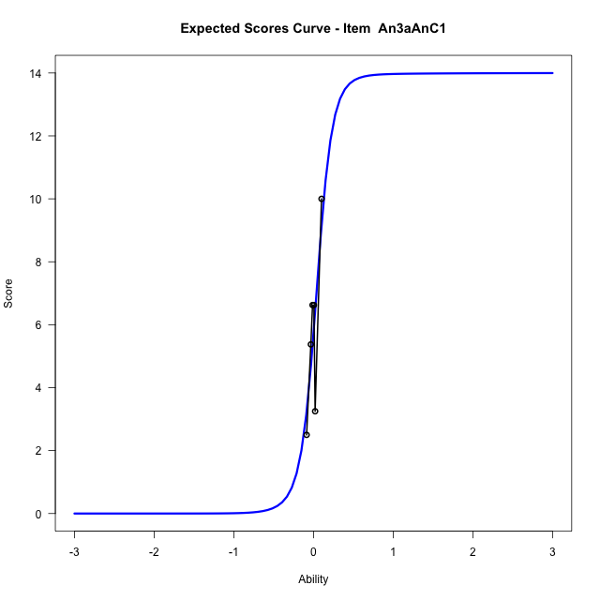
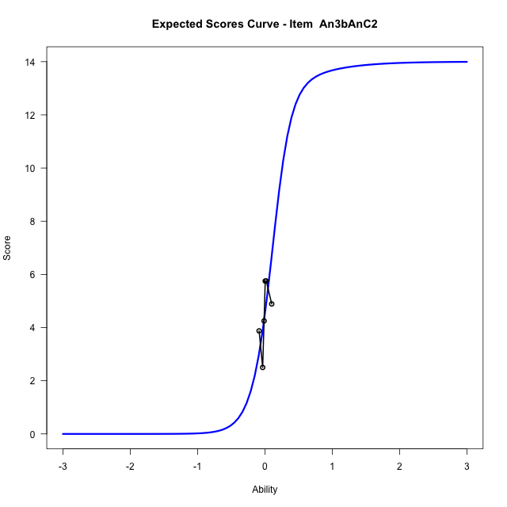
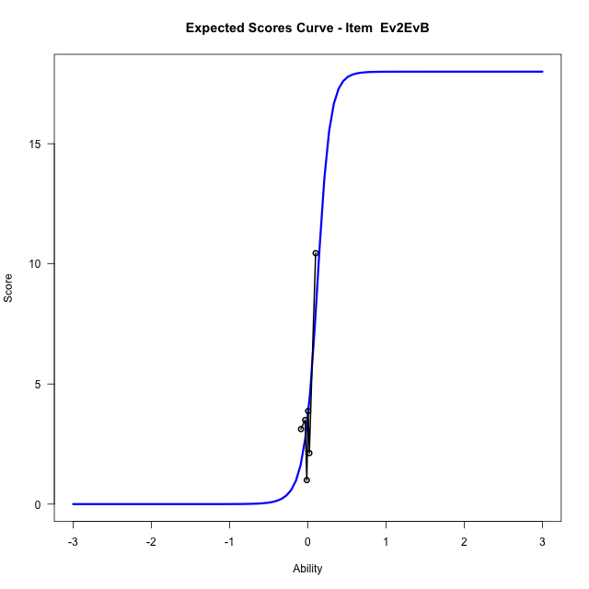
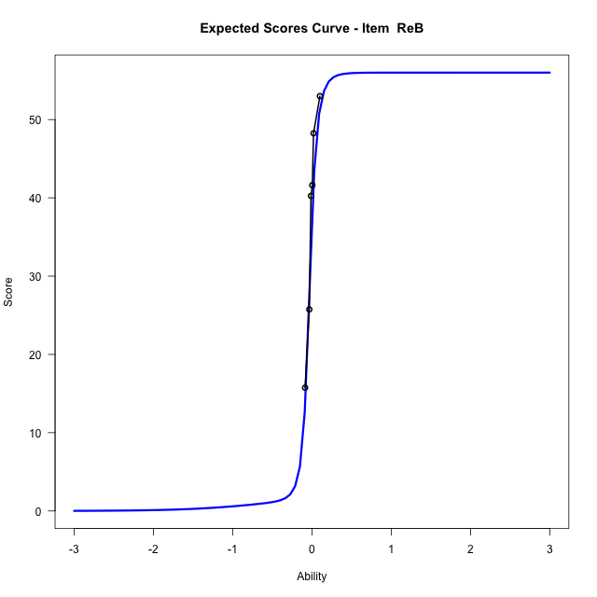
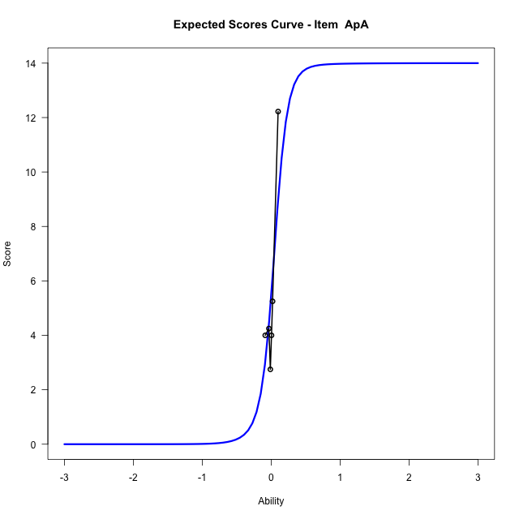
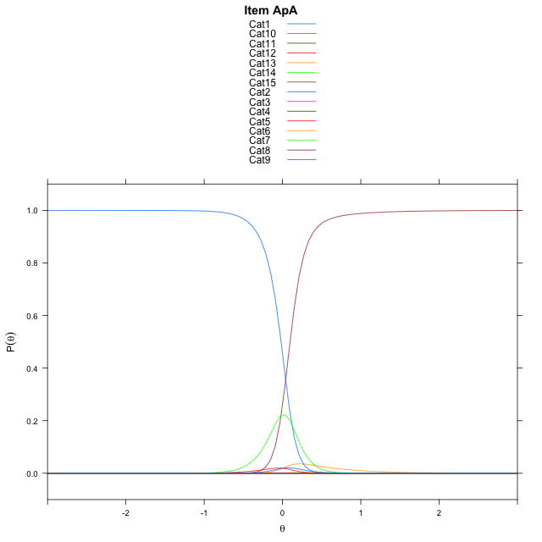
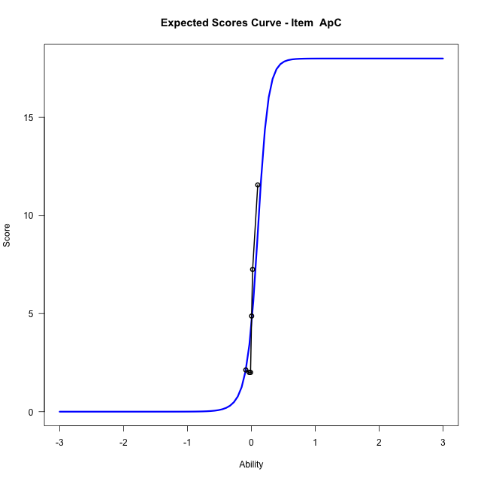

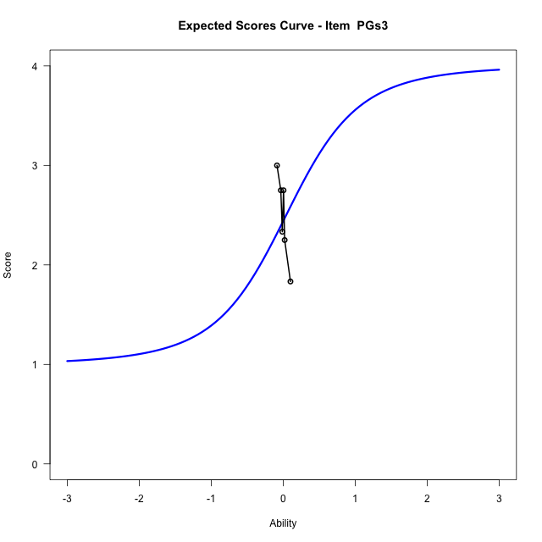
...
Item Infit/Outfit Statistic
ApC_Cat16 | 0.78977458238 | -0.97722686227 | 0.32845685208 | 1 | 0.78977458288 | -0.97722685958 | 0.32845685341 | 1
ApC_Cat17 | 0.78991798114 | -0.97608747509 | 0.32902111757 | 1 | 0.78991798164 | -0.9760874724 | 0.3290211189 | 1
ApC_Cat18 | 0.79080995896 | -0.9690243659 | 0.33253303223 | 1 | 0.79080995946 | -0.96902436321 | 0.33253303357 | 1
PGs3_Cat1 | 0
PGs3_Cat2 | 0.99999999954 | 0.051449572565 | 0.95896728386 | 1 | 1 | 0.051449575543 | 0.95896728148 | 1
PGs3_Cat3 | 0.9999999996 | 0.0053375801068 | 0.99574124746 | 1 | 1 | 0.0053376051268 | 0.9957412275 | 1
PGs3_Cat4 | 0.9999999995 | 0.06533052327 | 0.94791084019 | 1 | 1 | 0.065330525801 | 0.94791083818 | 1

Box plot of expected curves

racking-Estimate-Items
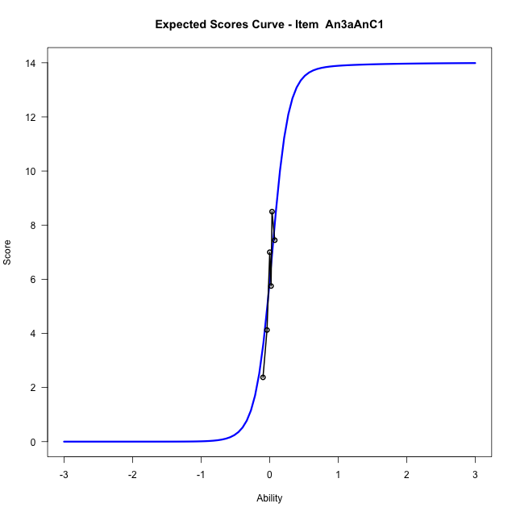
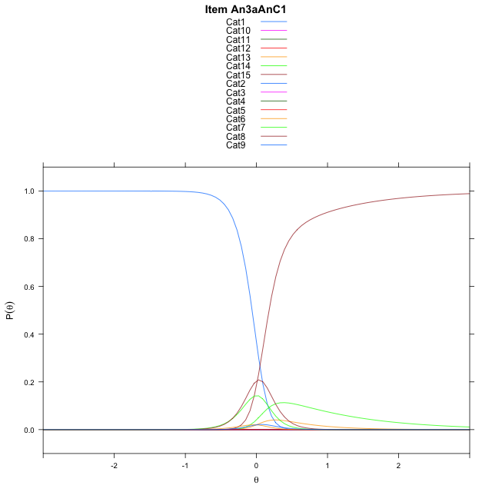
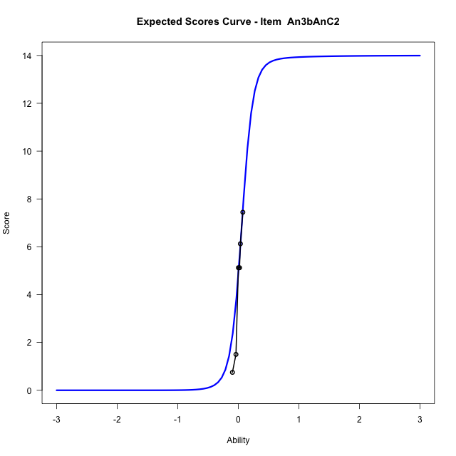
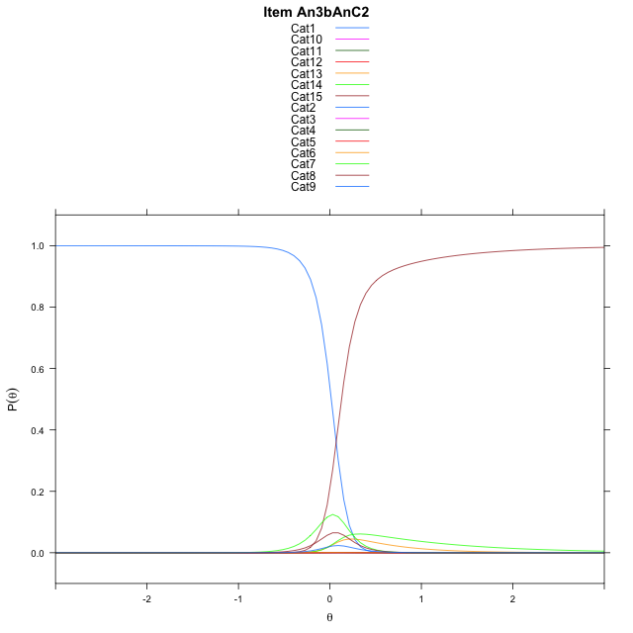
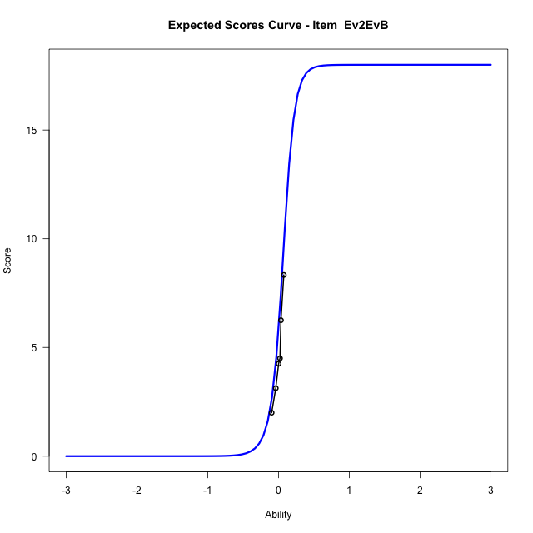
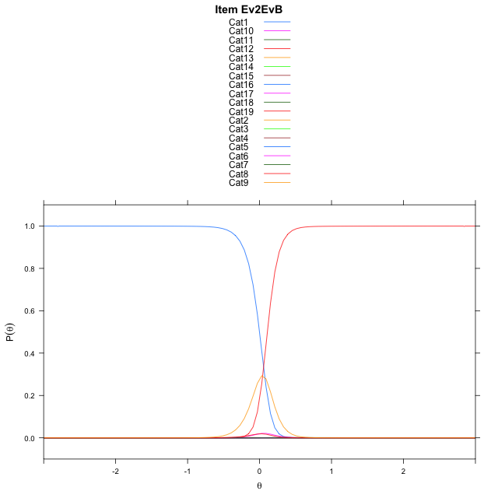
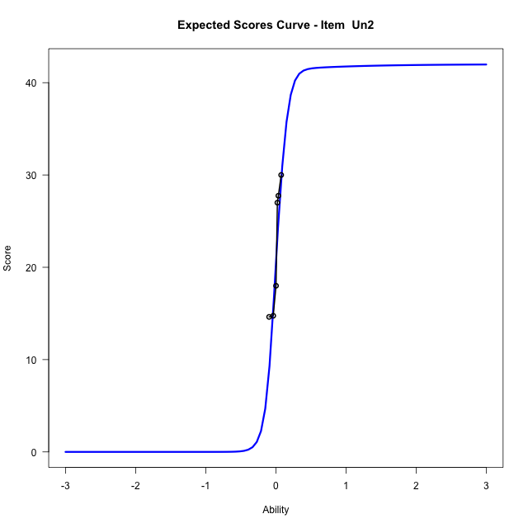

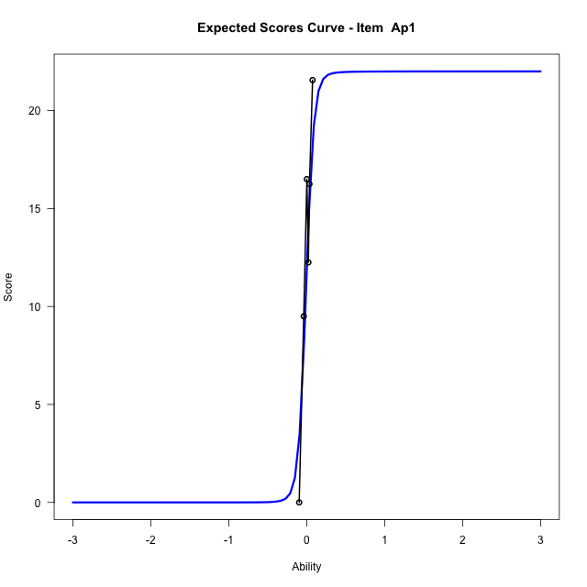
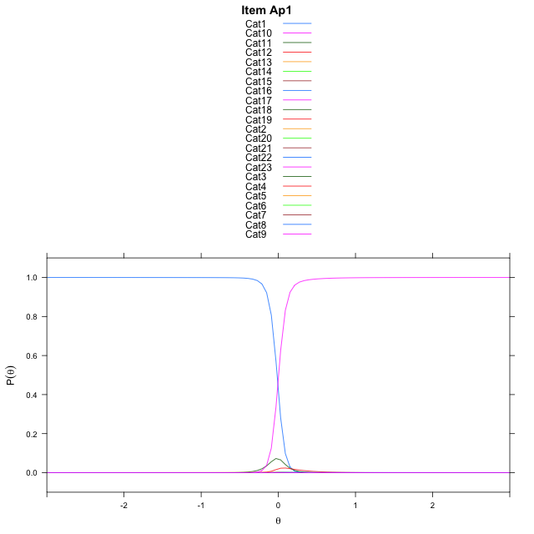
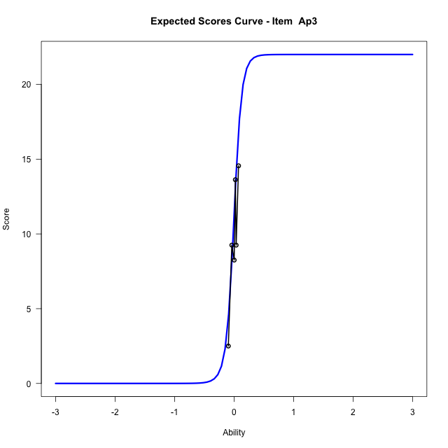

...
Item Infit/Outfit Statistic
Ap3_Cat16 | 0.93723801309 | -2.4042763062 | 0.016204520195 | 1 | 0.93723801347 | -2.4042762913 | 0.016204520854 | 1
Ap3_Cat17 | 0.93719940371 | -2.4037670133 | 0.016227111654 | 1 | 0.93719940409 | -2.4037669985 | 0.016227112313 | 1
Ap3_Cat18 | 0.93716845841 | -2.4033585892 | 0.016245248719 | 1 | 0.93716845878 | -2.4033585744 | 0.016245249378 | 1
Ap3_Cat19 | 0.93713407698 | -2.4029045768 | 0.016265431151 | 1 | 0.93713407736 | -2.402904562 | 0.016265431811 | 1
Ap3_Cat20 | 0.93707926399 | -2.4021802444 | 0.016297675868 | 1 | 0.93707926437 | -2.4021802296 | 0.016297676527 | 1
Ap3_Cat21 | 0.93693938792 | -2.4003289416 | 0.016380344679 | 1 | 0.9369393883 | -2.4003289268 | 0.01638034534 | 1
Ap3_Cat22 | 0.93557792648 | -2.3820872236 | 0.017214819408 | 1 | 0.93557792686 | -2.3820872092 | 0.017214820078 | 1

Box plot of expected curves

