Type_1
Wilcoxon Analysis for Effort/Importance by Type in Type between ont-gamified:w/o-gamified

Wilcoxon test results
Alternative hypothesis: less
Group | N | Median | Mean.Ranks | Sum.Ranks | U | Z | p.value | r | magnitude
ont-gamified | 24 | 0.3956847331 | 31.333333333 | 752 | 452 | 2.4276378268 | 0.99295064879 | 0.33993729001 | medium
w/o-gamified | 27 | -0.48050764026 | 21.259259259 | 574 | 452 | 2.4276378268 | 0.99295064879 | 0.33993729001 | medium
Alternative hypothesis: greater
Group | N | Median | Mean.Ranks | Sum.Ranks | U | Z | p.value | r | magnitude
ont-gamified | 24 | 0.3956847331 | 31.333333333 | 752 | 452 | 2.4276378268 | 0.0072423806697 | 0.33993729001 | medium
w/o-gamified | 27 | -0.48050764026 | 21.259259259 | 574 | 452 | 2.4276378268 | 0.0072423806697 | 0.33993729001 | medium
Alternative hypothesis: two.sided
Group | N | Median | Mean.Ranks | Sum.Ranks | U | Z | p.value | r | magnitude
ont-gamified | 24 | 0.3956847331 | 31.333333333 | 752 | 452 | 2.4276378268 | 0.01448705757 | 0.33993729001 | medium
w/o-gamified | 27 | -0.48050764026 | 21.259259259 | 574 | 452 | 2.4276378268 | 0.01448705757 | 0.33993729001 | medium

Box plots for wilcoxon tests
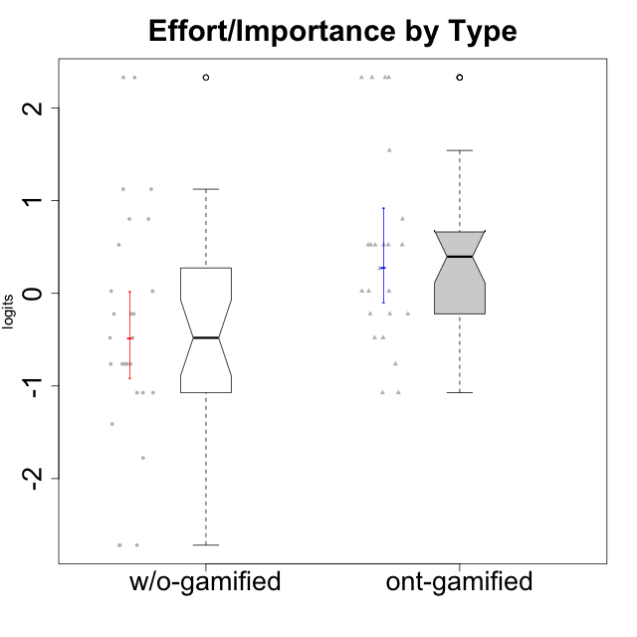

Wilcoxon data
UserID | NroUSP | Type | CLGroup | CLRole | PlayerRole | Score | theta | error | Outfit | Infit | Effort/Importance
10169 | 10377538 | ont-gamified | Resistance | Apprentice | Social Achiever | 8 | -1.0730990233 | 0.57160078642 | 1.9599212262 | 1.8194400811 | -1.0730990233
10170 | 10260351 | w/o-gamified | Grupo11 | Apprentice |  | 11 | -0.22200760026 | 0.5166355232 | 0.021087904229 | 0.022547156511 | -0.22200760026
10171 | 698531 | ont-gamified | Mafia | Master | Social Achiever | 18 | 2.3295817046 | 1.1978314531 | 0.17435098377 | 0.22183243201 | 2.3295817046
10172 | 10273971 | w/o-gamified | Grupo5 | Apprentice |  | 7 | -1.4108634958 | 0.6007446005 | 0.87421264722 | 0.79320909815 | -1.4108634958
10174 | 10276852 | w/o-gamified | Grupo7 | Master |  | 10 | -0.48050764026 | 0.52846460748 | 1.5310683847 | 1.6458852541 | -0.48050764026
10175 | 10310700 | ont-gamified | Warriors | Master | Social Achiever | 15 | 0.80189142729 | 0.57267986942 | 0.82041011141 | 0.88129085801 | 0.80189142729
10176 | 10276949 | ont-gamified | Outlaws | Master | Social Achiever | 8 | -1.0730990233 | 0.57160078642 | 0.52156704287 | 0.48839070156 | -1.0730990233
10179 | 10310759 | w/o-gamified | Grupo10 | Master |  | 16 | 1.1239667538 | 0.63541624579 | 0.41892463683 | 0.32835915654 | 1.1239667538
10181 | 10276866 | w/o-gamified | Grupo2 | Apprentice |  | 6 | -1.7760720264 | 0.6410608275 | 0.54677611459 | 0.52310590887 | -1.7760720264
10183 | 10352030 | w/o-gamified | Grupo3 | Apprentice |  | 8 | -1.0730990233 | 0.57160078642 | 0.91943671972 | 0.86410797003 | -1.0730990233
10184 | 10276675 | w/o-gamified | Grupo10 | Apprentice |  | 8 | -1.0730990233 | 0.57160078642 | 0.022559320336 | 0.02279441772 | -1.0730990233
10185 | 10276960 | w/o-gamified | Grupo9 | Apprentice |  | 10 | -0.48050764026 | 0.52846460748 | 0.29599663436 | 0.31604715525 | -0.48050764026
10186 | 10310551 | ont-gamified | Slayers | Apprentice | Social Achiever | 18 | 2.3295817046 | 1.1978314531 | 0.17435098377 | 0.22183243201 | 2.3295817046
10188 | 10276995 | ont-gamified | Vandals | Master | Yee Achiever | 12 | 0.0236444457 | 0.51340987229 | 0.072204778568 | 0.0721781546 | 0.0236444457
10189 | 9363926 | ont-gamified | Vikings | Apprentice | Social Achiever | 14 | 0.52323555073 | 0.53817370542 | 0.45384827662 | 0.41533911002 | 0.52323555073
10190 | 10276907 | w/o-gamified | Grupo4 | Apprentice |  | 9 | -0.76239209582 | 0.54745612222 | 0.58638699726 | 0.58618657459 | -0.76239209582
10191 | 10276981 | w/o-gamified | Grupo1 | Master |  | 11 | -0.22200760026 | 0.5166355232 | 0.32294883459 | 0.34383068534 | -0.22200760026
10192 | 10276682 | ont-gamified | Attractive Devils | Apprentice | Social Achiever | 14 | 0.52323555073 | 0.53817370542 | 3.6642877897 | 3.8448807334 | 0.52323555073
10193 | 10276762 | ont-gamified | Vandals | Apprentice | Yee Achiever | 12 | 0.0236444457 | 0.51340987229 | 2.1485386669 | 2.0431827878 | 0.0236444457
10197 | 10276661 | w/o-gamified | Grupo8 | Apprentice |  | 11 | -0.22200760026 | 0.5166355232 | 0.021087904229 | 0.022547156511 | -0.22200760026
10198 | 10310888 | ont-gamified | Attractive Devils | Apprentice | Social Achiever | 14 | 0.52323555073 | 0.53817370542 | 0.52544455227 | 0.57670717743 | 0.52323555073
10199 | 10276737 | w/o-gamified | Grupo1 | Apprentice |  | 9 | -0.76239209582 | 0.54745612222 | 0.20524522577 | 0.1981457293 | -0.76239209582
10200 | 9795272 | ont-gamified | Warriors | Apprentice | Social Achiever | 17 | 1.5421043723 | 0.76484139445 | 0.18435073017 | 0.12981453792 | 1.5421043723
10201 | 10276928 | w/o-gamified | Grupo11 | Apprentice |  | 12 | 0.0236444457 | 0.51340987229 | 0.25756944846 | 0.245236898 | 0.0236444457
10202 | 10277036 | ont-gamified | Silly Knights | Apprentice | Social Achiever | 14 | 0.52323555073 | 0.53817370542 | 0.020694439345 | 0.020464596608 | 0.52323555073
10203 | 9921470 | ont-gamified | Mercenaries | Apprentice | Social Achiever | 18 | 2.3295817046 | 1.1978314531 | 0.17435098377 | 0.22183243201 | 2.3295817046
10204 | 10310471 | w/o-gamified | Grupo6 | Apprentice |  | 12 | 0.0236444457 | 0.51340987229 | 1.4765190083 | 1.5433456487 | 0.0236444457
10206 | 10310721 | w/o-gamified | Grupo8 | Apprentice |  | 14 | 0.52323555073 | 0.53817370542 | 0.020694439345 | 0.020464596608 | 0.52323555073
10208 | 10276932 | ont-gamified | Mercenaries | Master | Social Achiever | 14 | 0.52323555073 | 0.53817370542 | 0.020694439345 | 0.020464596608 | 0.52323555073
10209 | 10262669 | ont-gamified | Mafia | Apprentice | Social Achiever | 11 | -0.22200760026 | 0.5166355232 | 0.43543528805 | 0.40861463136 | -0.22200760026
10210 | 10277015 | w/o-gamified | Grupo6 | Apprentice |  | 18 | 2.3295817046 | 1.1978314531 | 0.17435098377 | 0.22183243201 | 2.3295817046
10213 | 10277040 | w/o-gamified | Grupo7 | Apprentice |  | 18 | 2.3295817046 | 1.1978314531 | 0.17435098377 | 0.22183243201 | 2.3295817046
10214 | 10277022 | ont-gamified | Vikings | Apprentice | Social Achiever | 18 | 2.3295817046 | 1.1978314531 | 0.17435098377 | 0.22183243201 | 2.3295817046
10215 | 9285227 | ont-gamified | Vikings | Master | Social Achiever | 10 | -0.48050764026 | 0.52846460748 | 2.1216702605 | 2.1123248531 | -0.48050764026
10216 | 10276720 | ont-gamified | Silly Knights | Master | Social Achiever | 14 | 0.52323555073 | 0.53817370542 | 0.45490384772 | 0.43836064462 | 0.52323555073
10217 | 9805341 | w/o-gamified | Grupo9 | Apprentice |  | 9 | -0.76239209582 | 0.54745612222 | 0.1279842716 | 0.12660564573 | -0.76239209582
10218 | 9842913 | w/o-gamified | Grupo10 | Apprentice |  | 9 | -0.76239209582 | 0.54745612222 | 0.20524522577 | 0.1981457293 | -0.76239209582
10219 | 10276831 | w/o-gamified | Grupo3 | Master |  | 4 | -2.7185750804 | 0.85423585078 | 0.30146200542 | 0.30429203868 | -2.7185750804
10220 | 9760151 | w/o-gamified | Grupo3 | Apprentice |  | 15 | 0.80189142729 | 0.57267986942 | 0.82041011141 | 0.88129085801 | 0.80189142729
10221 | 9082496 | ont-gamified | Warriors | Apprentice | Social Achiever | 13 | 0.26813391546 | 0.51993699627 | 0.127359419 | 0.13126272155 | 0.26813391546
10223 | 9795185 | ont-gamified | Slayers | Master | Social Achiever | 10 | -0.48050764026 | 0.52846460748 | 0.82888089903 | 0.77444917617 | -0.48050764026
10224 | 9368772 | ont-gamified | Mercenaries | Apprentice | Social Achiever | 9 | -0.76239209582 | 0.54745612222 | 1.3574755796 | 1.2571430697 | -0.76239209582
10226 | 10310342 | w/o-gamified | Grupo4 | Apprentice |  | 4 | -2.7185750804 | 0.85423585078 | 0.30146200542 | 0.30429203868 | -2.7185750804
10227 | 9274382 | w/o-gamified | Grupo5 | Master |  | 9 | -0.76239209582 | 0.54745612222 | 0.94859627642 | 1.0089377071 | -0.76239209582
10228 | 10310492 | ont-gamified | Resistance | Apprentice | Social Achiever | 12 | 0.0236444457 | 0.51340987229 | 2.3222003527 | 2.2515870772 | 0.0236444457
10230 | 10351992 | ont-gamified | Resistance | Master | Social Achiever | 11 | -0.22200760026 | 0.5166355232 | 0.64045220344 | 0.62115552916 | -0.22200760026
10231 | 10276911 | w/o-gamified | Grupo9 | Master |  | 8 | -1.0730990233 | 0.57160078642 | 0.69967876591 | 0.65210979244 | -1.0730990233
10232 | 10276974 | w/o-gamified | Grupo7 | Apprentice |  | 16 | 1.1239667538 | 0.63541624579 | 0.40826297769 | 0.39818307171 | 1.1239667538
10234 | 10310676 | w/o-gamified | Grupo4 | Master |  | 4 | -2.7185750804 | 0.85423585078 | 0.30146200542 | 0.30429203868 | -2.7185750804
10237 | 10377688 | ont-gamified | Outlaws | Apprentice | Social Achiever | 11 | -0.22200760026 | 0.5166355232 | 0.32294883459 | 0.34383068534 | -0.22200760026
10238 | 10276953 | w/o-gamified | Grupo2 | Master |  | 15 | 0.80189142729 | 0.57267986942 | 0.19749006521 | 0.15138034332 | 0.80189142729

Type_CLRole_1
Wilcoxon Analysis for Effort/Importance by Type in Type:CLRole between ont-gamified.Apprentice:ont-gamified.Master

Wilcoxon test results
Alternative hypothesis: less
Group | N | Median | Mean.Ranks | Sum.Ranks | U | Z | p.value | r | magnitude
ont-gamified.Apprentice | 15 | 0.52323555073 | 13.333333333 | 200 | 80 | 0.75443094317 | 0.77550661413 | 0.15399757141 | small
ont-gamified.Master | 9 | 0.0236444457 | 11.111111111 | 100 | 80 | 0.75443094317 | 0.77550661413 | 0.15399757141 | small
Alternative hypothesis: greater
Group | N | Median | Mean.Ranks | Sum.Ranks | U | Z | p.value | r | magnitude
ont-gamified.Apprentice | 15 | 0.52323555073 | 13.333333333 | 200 | 80 | 0.75443094317 | 0.23310062531 | 0.15399757141 | small
ont-gamified.Master | 9 | 0.0236444457 | 11.111111111 | 100 | 80 | 0.75443094317 | 0.23310062531 | 0.15399757141 | small
Alternative hypothesis: two.sided
Group | N | Median | Mean.Ranks | Sum.Ranks | U | Z | p.value | r | magnitude
ont-gamified.Apprentice | 15 | 0.52323555073 | 13.333333333 | 200 | 80 | 0.75443094317 | 0.46732782462 | 0.15399757141 | small
ont-gamified.Master | 9 | 0.0236444457 | 11.111111111 | 100 | 80 | 0.75443094317 | 0.46732782462 | 0.15399757141 | small

Box plots for wilcoxon tests
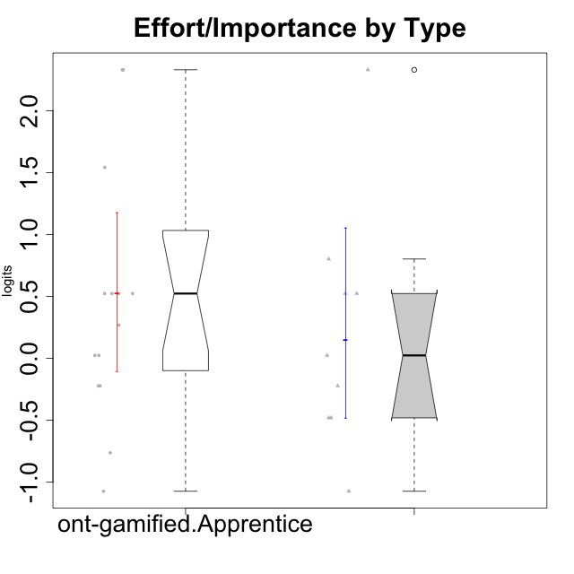

Wilcoxon data
UserID | NroUSP | Type | CLGroup | CLRole | PlayerRole | Score | theta | error | Outfit | Infit | Effort/Importance
10169 | 10377538 | ont-gamified | Resistance | Apprentice | Social Achiever | 8 | -1.0730990233 | 0.57160078642 | 1.9599212262 | 1.8194400811 | -1.0730990233
10171 | 698531 | ont-gamified | Mafia | Master | Social Achiever | 18 | 2.3295817046 | 1.1978314531 | 0.17435098377 | 0.22183243201 | 2.3295817046
10175 | 10310700 | ont-gamified | Warriors | Master | Social Achiever | 15 | 0.80189142729 | 0.57267986942 | 0.82041011141 | 0.88129085801 | 0.80189142729
10176 | 10276949 | ont-gamified | Outlaws | Master | Social Achiever | 8 | -1.0730990233 | 0.57160078642 | 0.52156704287 | 0.48839070156 | -1.0730990233
10186 | 10310551 | ont-gamified | Slayers | Apprentice | Social Achiever | 18 | 2.3295817046 | 1.1978314531 | 0.17435098377 | 0.22183243201 | 2.3295817046
10188 | 10276995 | ont-gamified | Vandals | Master | Yee Achiever | 12 | 0.0236444457 | 0.51340987229 | 0.072204778568 | 0.0721781546 | 0.0236444457
10189 | 9363926 | ont-gamified | Vikings | Apprentice | Social Achiever | 14 | 0.52323555073 | 0.53817370542 | 0.45384827662 | 0.41533911002 | 0.52323555073
10192 | 10276682 | ont-gamified | Attractive Devils | Apprentice | Social Achiever | 14 | 0.52323555073 | 0.53817370542 | 3.6642877897 | 3.8448807334 | 0.52323555073
10193 | 10276762 | ont-gamified | Vandals | Apprentice | Yee Achiever | 12 | 0.0236444457 | 0.51340987229 | 2.1485386669 | 2.0431827878 | 0.0236444457
10198 | 10310888 | ont-gamified | Attractive Devils | Apprentice | Social Achiever | 14 | 0.52323555073 | 0.53817370542 | 0.52544455227 | 0.57670717743 | 0.52323555073
10200 | 9795272 | ont-gamified | Warriors | Apprentice | Social Achiever | 17 | 1.5421043723 | 0.76484139445 | 0.18435073017 | 0.12981453792 | 1.5421043723
10202 | 10277036 | ont-gamified | Silly Knights | Apprentice | Social Achiever | 14 | 0.52323555073 | 0.53817370542 | 0.020694439345 | 0.020464596608 | 0.52323555073
10203 | 9921470 | ont-gamified | Mercenaries | Apprentice | Social Achiever | 18 | 2.3295817046 | 1.1978314531 | 0.17435098377 | 0.22183243201 | 2.3295817046
10208 | 10276932 | ont-gamified | Mercenaries | Master | Social Achiever | 14 | 0.52323555073 | 0.53817370542 | 0.020694439345 | 0.020464596608 | 0.52323555073
10209 | 10262669 | ont-gamified | Mafia | Apprentice | Social Achiever | 11 | -0.22200760026 | 0.5166355232 | 0.43543528805 | 0.40861463136 | -0.22200760026
10214 | 10277022 | ont-gamified | Vikings | Apprentice | Social Achiever | 18 | 2.3295817046 | 1.1978314531 | 0.17435098377 | 0.22183243201 | 2.3295817046
10215 | 9285227 | ont-gamified | Vikings | Master | Social Achiever | 10 | -0.48050764026 | 0.52846460748 | 2.1216702605 | 2.1123248531 | -0.48050764026
10216 | 10276720 | ont-gamified | Silly Knights | Master | Social Achiever | 14 | 0.52323555073 | 0.53817370542 | 0.45490384772 | 0.43836064462 | 0.52323555073
10221 | 9082496 | ont-gamified | Warriors | Apprentice | Social Achiever | 13 | 0.26813391546 | 0.51993699627 | 0.127359419 | 0.13126272155 | 0.26813391546
10223 | 9795185 | ont-gamified | Slayers | Master | Social Achiever | 10 | -0.48050764026 | 0.52846460748 | 0.82888089903 | 0.77444917617 | -0.48050764026
10224 | 9368772 | ont-gamified | Mercenaries | Apprentice | Social Achiever | 9 | -0.76239209582 | 0.54745612222 | 1.3574755796 | 1.2571430697 | -0.76239209582
10228 | 10310492 | ont-gamified | Resistance | Apprentice | Social Achiever | 12 | 0.0236444457 | 0.51340987229 | 2.3222003527 | 2.2515870772 | 0.0236444457
10230 | 10351992 | ont-gamified | Resistance | Master | Social Achiever | 11 | -0.22200760026 | 0.5166355232 | 0.64045220344 | 0.62115552916 | -0.22200760026
10237 | 10377688 | ont-gamified | Outlaws | Apprentice | Social Achiever | 11 | -0.22200760026 | 0.5166355232 | 0.32294883459 | 0.34383068534 | -0.22200760026

Type_CLRole_2
Wilcoxon Analysis for Effort/Importance by Type in Type:CLRole between ont-gamified.Apprentice:w/o-gamified.Apprentice

Wilcoxon test results
Alternative hypothesis: less
Group | N | Median | Mean.Ranks | Sum.Ranks | U | Z | p.value | r | magnitude
ont-gamified.Apprentice | 15 | 0.52323555073 | 21.466666667 | 322 | 202 | 2.0770937144 | 0.98203315649 | 0.35621863323 | medium
w/o-gamified.Apprentice | 19 | -0.48050764026 | 14.368421053 | 273 | 202 | 2.0770937144 | 0.98203315649 | 0.35621863323 | medium
Alternative hypothesis: greater
Group | N | Median | Mean.Ranks | Sum.Ranks | U | Z | p.value | r | magnitude
ont-gamified.Apprentice | 15 | 0.52323555073 | 21.466666667 | 322 | 202 | 2.0770937144 | 0.018737541808 | 0.35621863323 | medium
w/o-gamified.Apprentice | 19 | -0.48050764026 | 14.368421053 | 273 | 202 | 2.0770937144 | 0.018737541808 | 0.35621863323 | medium
Alternative hypothesis: two.sided
Group | N | Median | Mean.Ranks | Sum.Ranks | U | Z | p.value | r | magnitude
ont-gamified.Apprentice | 15 | 0.52323555073 | 21.466666667 | 322 | 202 | 2.0770937144 | 0.037497807074 | 0.35621863323 | medium
w/o-gamified.Apprentice | 19 | -0.48050764026 | 14.368421053 | 273 | 202 | 2.0770937144 | 0.037497807074 | 0.35621863323 | medium

Box plots for wilcoxon tests
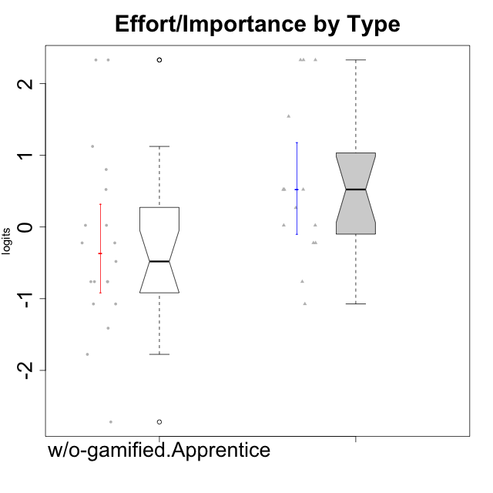

Wilcoxon data
UserID | NroUSP | Type | CLGroup | CLRole | PlayerRole | Score | theta | error | Outfit | Infit | Effort/Importance
10169 | 10377538 | ont-gamified | Resistance | Apprentice | Social Achiever | 8 | -1.0730990233 | 0.57160078642 | 1.9599212262 | 1.8194400811 | -1.0730990233
10170 | 10260351 | w/o-gamified | Grupo11 | Apprentice |  | 11 | -0.22200760026 | 0.5166355232 | 0.021087904229 | 0.022547156511 | -0.22200760026
10172 | 10273971 | w/o-gamified | Grupo5 | Apprentice |  | 7 | -1.4108634958 | 0.6007446005 | 0.87421264722 | 0.79320909815 | -1.4108634958
10181 | 10276866 | w/o-gamified | Grupo2 | Apprentice |  | 6 | -1.7760720264 | 0.6410608275 | 0.54677611459 | 0.52310590887 | -1.7760720264
10183 | 10352030 | w/o-gamified | Grupo3 | Apprentice |  | 8 | -1.0730990233 | 0.57160078642 | 0.91943671972 | 0.86410797003 | -1.0730990233
10184 | 10276675 | w/o-gamified | Grupo10 | Apprentice |  | 8 | -1.0730990233 | 0.57160078642 | 0.022559320336 | 0.02279441772 | -1.0730990233
10185 | 10276960 | w/o-gamified | Grupo9 | Apprentice |  | 10 | -0.48050764026 | 0.52846460748 | 0.29599663436 | 0.31604715525 | -0.48050764026
10186 | 10310551 | ont-gamified | Slayers | Apprentice | Social Achiever | 18 | 2.3295817046 | 1.1978314531 | 0.17435098377 | 0.22183243201 | 2.3295817046
10189 | 9363926 | ont-gamified | Vikings | Apprentice | Social Achiever | 14 | 0.52323555073 | 0.53817370542 | 0.45384827662 | 0.41533911002 | 0.52323555073
10190 | 10276907 | w/o-gamified | Grupo4 | Apprentice |  | 9 | -0.76239209582 | 0.54745612222 | 0.58638699726 | 0.58618657459 | -0.76239209582
10192 | 10276682 | ont-gamified | Attractive Devils | Apprentice | Social Achiever | 14 | 0.52323555073 | 0.53817370542 | 3.6642877897 | 3.8448807334 | 0.52323555073
10193 | 10276762 | ont-gamified | Vandals | Apprentice | Yee Achiever | 12 | 0.0236444457 | 0.51340987229 | 2.1485386669 | 2.0431827878 | 0.0236444457
10197 | 10276661 | w/o-gamified | Grupo8 | Apprentice |  | 11 | -0.22200760026 | 0.5166355232 | 0.021087904229 | 0.022547156511 | -0.22200760026
10198 | 10310888 | ont-gamified | Attractive Devils | Apprentice | Social Achiever | 14 | 0.52323555073 | 0.53817370542 | 0.52544455227 | 0.57670717743 | 0.52323555073
10199 | 10276737 | w/o-gamified | Grupo1 | Apprentice |  | 9 | -0.76239209582 | 0.54745612222 | 0.20524522577 | 0.1981457293 | -0.76239209582
10200 | 9795272 | ont-gamified | Warriors | Apprentice | Social Achiever | 17 | 1.5421043723 | 0.76484139445 | 0.18435073017 | 0.12981453792 | 1.5421043723
10201 | 10276928 | w/o-gamified | Grupo11 | Apprentice |  | 12 | 0.0236444457 | 0.51340987229 | 0.25756944846 | 0.245236898 | 0.0236444457
10202 | 10277036 | ont-gamified | Silly Knights | Apprentice | Social Achiever | 14 | 0.52323555073 | 0.53817370542 | 0.020694439345 | 0.020464596608 | 0.52323555073
10203 | 9921470 | ont-gamified | Mercenaries | Apprentice | Social Achiever | 18 | 2.3295817046 | 1.1978314531 | 0.17435098377 | 0.22183243201 | 2.3295817046
10204 | 10310471 | w/o-gamified | Grupo6 | Apprentice |  | 12 | 0.0236444457 | 0.51340987229 | 1.4765190083 | 1.5433456487 | 0.0236444457
10206 | 10310721 | w/o-gamified | Grupo8 | Apprentice |  | 14 | 0.52323555073 | 0.53817370542 | 0.020694439345 | 0.020464596608 | 0.52323555073
10209 | 10262669 | ont-gamified | Mafia | Apprentice | Social Achiever | 11 | -0.22200760026 | 0.5166355232 | 0.43543528805 | 0.40861463136 | -0.22200760026
10210 | 10277015 | w/o-gamified | Grupo6 | Apprentice |  | 18 | 2.3295817046 | 1.1978314531 | 0.17435098377 | 0.22183243201 | 2.3295817046
10213 | 10277040 | w/o-gamified | Grupo7 | Apprentice |  | 18 | 2.3295817046 | 1.1978314531 | 0.17435098377 | 0.22183243201 | 2.3295817046
10214 | 10277022 | ont-gamified | Vikings | Apprentice | Social Achiever | 18 | 2.3295817046 | 1.1978314531 | 0.17435098377 | 0.22183243201 | 2.3295817046
10217 | 9805341 | w/o-gamified | Grupo9 | Apprentice |  | 9 | -0.76239209582 | 0.54745612222 | 0.1279842716 | 0.12660564573 | -0.76239209582
10218 | 9842913 | w/o-gamified | Grupo10 | Apprentice |  | 9 | -0.76239209582 | 0.54745612222 | 0.20524522577 | 0.1981457293 | -0.76239209582
10220 | 9760151 | w/o-gamified | Grupo3 | Apprentice |  | 15 | 0.80189142729 | 0.57267986942 | 0.82041011141 | 0.88129085801 | 0.80189142729
10221 | 9082496 | ont-gamified | Warriors | Apprentice | Social Achiever | 13 | 0.26813391546 | 0.51993699627 | 0.127359419 | 0.13126272155 | 0.26813391546
10224 | 9368772 | ont-gamified | Mercenaries | Apprentice | Social Achiever | 9 | -0.76239209582 | 0.54745612222 | 1.3574755796 | 1.2571430697 | -0.76239209582
10226 | 10310342 | w/o-gamified | Grupo4 | Apprentice |  | 4 | -2.7185750804 | 0.85423585078 | 0.30146200542 | 0.30429203868 | -2.7185750804
10228 | 10310492 | ont-gamified | Resistance | Apprentice | Social Achiever | 12 | 0.0236444457 | 0.51340987229 | 2.3222003527 | 2.2515870772 | 0.0236444457
10232 | 10276974 | w/o-gamified | Grupo7 | Apprentice |  | 16 | 1.1239667538 | 0.63541624579 | 0.40826297769 | 0.39818307171 | 1.1239667538
10237 | 10377688 | ont-gamified | Outlaws | Apprentice | Social Achiever | 11 | -0.22200760026 | 0.5166355232 | 0.32294883459 | 0.34383068534 | -0.22200760026

Type_CLRole_3
Wilcoxon Analysis for Effort/Importance by Type in Type:CLRole between ont-gamified.Apprentice:w/o-gamified.Master

Wilcoxon test results
Alternative hypothesis: less
Group | N | Median | Mean.Ranks | Sum.Ranks | U | Z | p.value | r | magnitude
ont-gamified.Apprentice | 15 | 0.52323555073 | 14.066666667 | 211 | 91 | 2.012006088 | 0.97984148933 | 0.41953227052 | medium
w/o-gamified.Master | 8 | -0.62144986804 | 8.125 | 65 | 91 | 2.012006088 | 0.97984148933 | 0.41953227052 | medium
Alternative hypothesis: greater
Group | N | Median | Mean.Ranks | Sum.Ranks | U | Z | p.value | r | magnitude
ont-gamified.Apprentice | 15 | 0.52323555073 | 14.066666667 | 211 | 91 | 2.012006088 | 0.022055254388 | 0.41953227052 | medium
w/o-gamified.Master | 8 | -0.62144986804 | 8.125 | 65 | 91 | 2.012006088 | 0.022055254388 | 0.41953227052 | medium
Alternative hypothesis: two.sided
Group | N | Median | Mean.Ranks | Sum.Ranks | U | Z | p.value | r | magnitude
ont-gamified.Apprentice | 15 | 0.52323555073 | 14.066666667 | 211 | 91 | 2.012006088 | 0.044116627304 | 0.41953227052 | medium
w/o-gamified.Master | 8 | -0.62144986804 | 8.125 | 65 | 91 | 2.012006088 | 0.044116627304 | 0.41953227052 | medium

Box plots for wilcoxon tests
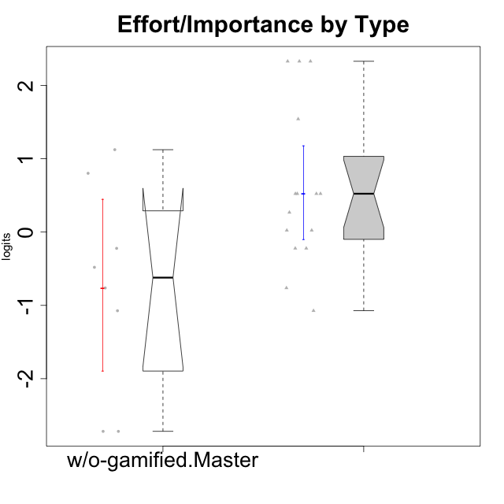

Wilcoxon data
UserID | NroUSP | Type | CLGroup | CLRole | PlayerRole | Score | theta | error | Outfit | Infit | Effort/Importance
10169 | 10377538 | ont-gamified | Resistance | Apprentice | Social Achiever | 8 | -1.0730990233 | 0.57160078642 | 1.9599212262 | 1.8194400811 | -1.0730990233
10174 | 10276852 | w/o-gamified | Grupo7 | Master |  | 10 | -0.48050764026 | 0.52846460748 | 1.5310683847 | 1.6458852541 | -0.48050764026
10179 | 10310759 | w/o-gamified | Grupo10 | Master |  | 16 | 1.1239667538 | 0.63541624579 | 0.41892463683 | 0.32835915654 | 1.1239667538
10186 | 10310551 | ont-gamified | Slayers | Apprentice | Social Achiever | 18 | 2.3295817046 | 1.1978314531 | 0.17435098377 | 0.22183243201 | 2.3295817046
10189 | 9363926 | ont-gamified | Vikings | Apprentice | Social Achiever | 14 | 0.52323555073 | 0.53817370542 | 0.45384827662 | 0.41533911002 | 0.52323555073
10191 | 10276981 | w/o-gamified | Grupo1 | Master |  | 11 | -0.22200760026 | 0.5166355232 | 0.32294883459 | 0.34383068534 | -0.22200760026
10192 | 10276682 | ont-gamified | Attractive Devils | Apprentice | Social Achiever | 14 | 0.52323555073 | 0.53817370542 | 3.6642877897 | 3.8448807334 | 0.52323555073
10193 | 10276762 | ont-gamified | Vandals | Apprentice | Yee Achiever | 12 | 0.0236444457 | 0.51340987229 | 2.1485386669 | 2.0431827878 | 0.0236444457
10198 | 10310888 | ont-gamified | Attractive Devils | Apprentice | Social Achiever | 14 | 0.52323555073 | 0.53817370542 | 0.52544455227 | 0.57670717743 | 0.52323555073
10200 | 9795272 | ont-gamified | Warriors | Apprentice | Social Achiever | 17 | 1.5421043723 | 0.76484139445 | 0.18435073017 | 0.12981453792 | 1.5421043723
10202 | 10277036 | ont-gamified | Silly Knights | Apprentice | Social Achiever | 14 | 0.52323555073 | 0.53817370542 | 0.020694439345 | 0.020464596608 | 0.52323555073
10203 | 9921470 | ont-gamified | Mercenaries | Apprentice | Social Achiever | 18 | 2.3295817046 | 1.1978314531 | 0.17435098377 | 0.22183243201 | 2.3295817046
10209 | 10262669 | ont-gamified | Mafia | Apprentice | Social Achiever | 11 | -0.22200760026 | 0.5166355232 | 0.43543528805 | 0.40861463136 | -0.22200760026
10214 | 10277022 | ont-gamified | Vikings | Apprentice | Social Achiever | 18 | 2.3295817046 | 1.1978314531 | 0.17435098377 | 0.22183243201 | 2.3295817046
10219 | 10276831 | w/o-gamified | Grupo3 | Master |  | 4 | -2.7185750804 | 0.85423585078 | 0.30146200542 | 0.30429203868 | -2.7185750804
10221 | 9082496 | ont-gamified | Warriors | Apprentice | Social Achiever | 13 | 0.26813391546 | 0.51993699627 | 0.127359419 | 0.13126272155 | 0.26813391546
10224 | 9368772 | ont-gamified | Mercenaries | Apprentice | Social Achiever | 9 | -0.76239209582 | 0.54745612222 | 1.3574755796 | 1.2571430697 | -0.76239209582
10227 | 9274382 | w/o-gamified | Grupo5 | Master |  | 9 | -0.76239209582 | 0.54745612222 | 0.94859627642 | 1.0089377071 | -0.76239209582
10228 | 10310492 | ont-gamified | Resistance | Apprentice | Social Achiever | 12 | 0.0236444457 | 0.51340987229 | 2.3222003527 | 2.2515870772 | 0.0236444457
10231 | 10276911 | w/o-gamified | Grupo9 | Master |  | 8 | -1.0730990233 | 0.57160078642 | 0.69967876591 | 0.65210979244 | -1.0730990233
10234 | 10310676 | w/o-gamified | Grupo4 | Master |  | 4 | -2.7185750804 | 0.85423585078 | 0.30146200542 | 0.30429203868 | -2.7185750804
10237 | 10377688 | ont-gamified | Outlaws | Apprentice | Social Achiever | 11 | -0.22200760026 | 0.5166355232 | 0.32294883459 | 0.34383068534 | -0.22200760026
10238 | 10276953 | w/o-gamified | Grupo2 | Master |  | 15 | 0.80189142729 | 0.57267986942 | 0.19749006521 | 0.15138034332 | 0.80189142729

Type_CLRole_4
Wilcoxon Analysis for Effort/Importance by Type in Type:CLRole between ont-gamified.Master:w/o-gamified.Apprentice

Wilcoxon test results
Alternative hypothesis: less
Group | N | Median | Mean.Ranks | Sum.Ranks | U | Z | p.value | r | magnitude
ont-gamified.Master | 9 | 0.0236444457 | 17.166666667 | 154.5 | 109.5 | 1.1863007106 | 0.88245783202 | 0.22418976145 | small
w/o-gamified.Apprentice | 19 | -0.48050764026 | 13.236842105 | 251.5 | 109.5 | 1.1863007106 | 0.88245783202 | 0.22418976145 | small
Alternative hypothesis: greater
Group | N | Median | Mean.Ranks | Sum.Ranks | U | Z | p.value | r | magnitude
ont-gamified.Master | 9 | 0.0236444457 | 17.166666667 | 154.5 | 109.5 | 1.1863007106 | 0.1236198584 | 0.22418976145 | small
w/o-gamified.Apprentice | 19 | -0.48050764026 | 13.236842105 | 251.5 | 109.5 | 1.1863007106 | 0.1236198584 | 0.22418976145 | small
Alternative hypothesis: two.sided
Group | N | Median | Mean.Ranks | Sum.Ranks | U | Z | p.value | r | magnitude
ont-gamified.Master | 9 | 0.0236444457 | 17.166666667 | 154.5 | 109.5 | 1.1863007106 | 0.24595057117 | 0.22418976145 | small
w/o-gamified.Apprentice | 19 | -0.48050764026 | 13.236842105 | 251.5 | 109.5 | 1.1863007106 | 0.24595057117 | 0.22418976145 | small

Box plots for wilcoxon tests
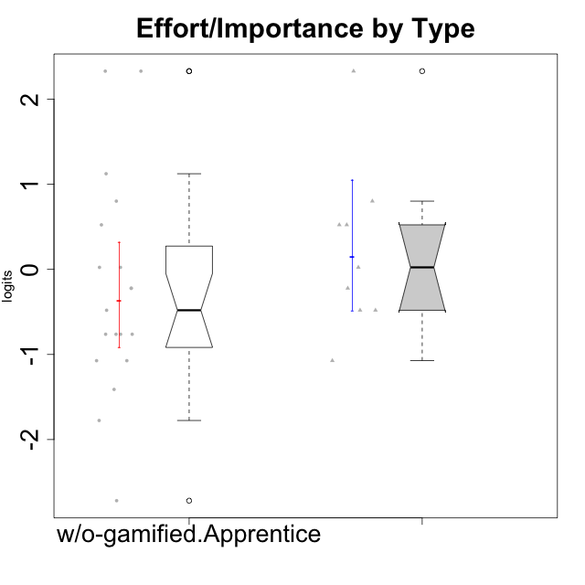

Wilcoxon data
UserID | NroUSP | Type | CLGroup | CLRole | PlayerRole | Score | theta | error | Outfit | Infit | Effort/Importance
10170 | 10260351 | w/o-gamified | Grupo11 | Apprentice |  | 11 | -0.22200760026 | 0.5166355232 | 0.021087904229 | 0.022547156511 | -0.22200760026
10171 | 698531 | ont-gamified | Mafia | Master | Social Achiever | 18 | 2.3295817046 | 1.1978314531 | 0.17435098377 | 0.22183243201 | 2.3295817046
10172 | 10273971 | w/o-gamified | Grupo5 | Apprentice |  | 7 | -1.4108634958 | 0.6007446005 | 0.87421264722 | 0.79320909815 | -1.4108634958
10175 | 10310700 | ont-gamified | Warriors | Master | Social Achiever | 15 | 0.80189142729 | 0.57267986942 | 0.82041011141 | 0.88129085801 | 0.80189142729
10176 | 10276949 | ont-gamified | Outlaws | Master | Social Achiever | 8 | -1.0730990233 | 0.57160078642 | 0.52156704287 | 0.48839070156 | -1.0730990233
10181 | 10276866 | w/o-gamified | Grupo2 | Apprentice |  | 6 | -1.7760720264 | 0.6410608275 | 0.54677611459 | 0.52310590887 | -1.7760720264
10183 | 10352030 | w/o-gamified | Grupo3 | Apprentice |  | 8 | -1.0730990233 | 0.57160078642 | 0.91943671972 | 0.86410797003 | -1.0730990233
10184 | 10276675 | w/o-gamified | Grupo10 | Apprentice |  | 8 | -1.0730990233 | 0.57160078642 | 0.022559320336 | 0.02279441772 | -1.0730990233
10185 | 10276960 | w/o-gamified | Grupo9 | Apprentice |  | 10 | -0.48050764026 | 0.52846460748 | 0.29599663436 | 0.31604715525 | -0.48050764026
10188 | 10276995 | ont-gamified | Vandals | Master | Yee Achiever | 12 | 0.0236444457 | 0.51340987229 | 0.072204778568 | 0.0721781546 | 0.0236444457
10190 | 10276907 | w/o-gamified | Grupo4 | Apprentice |  | 9 | -0.76239209582 | 0.54745612222 | 0.58638699726 | 0.58618657459 | -0.76239209582
10197 | 10276661 | w/o-gamified | Grupo8 | Apprentice |  | 11 | -0.22200760026 | 0.5166355232 | 0.021087904229 | 0.022547156511 | -0.22200760026
10199 | 10276737 | w/o-gamified | Grupo1 | Apprentice |  | 9 | -0.76239209582 | 0.54745612222 | 0.20524522577 | 0.1981457293 | -0.76239209582
10201 | 10276928 | w/o-gamified | Grupo11 | Apprentice |  | 12 | 0.0236444457 | 0.51340987229 | 0.25756944846 | 0.245236898 | 0.0236444457
10204 | 10310471 | w/o-gamified | Grupo6 | Apprentice |  | 12 | 0.0236444457 | 0.51340987229 | 1.4765190083 | 1.5433456487 | 0.0236444457
10206 | 10310721 | w/o-gamified | Grupo8 | Apprentice |  | 14 | 0.52323555073 | 0.53817370542 | 0.020694439345 | 0.020464596608 | 0.52323555073
10208 | 10276932 | ont-gamified | Mercenaries | Master | Social Achiever | 14 | 0.52323555073 | 0.53817370542 | 0.020694439345 | 0.020464596608 | 0.52323555073
10210 | 10277015 | w/o-gamified | Grupo6 | Apprentice |  | 18 | 2.3295817046 | 1.1978314531 | 0.17435098377 | 0.22183243201 | 2.3295817046
10213 | 10277040 | w/o-gamified | Grupo7 | Apprentice |  | 18 | 2.3295817046 | 1.1978314531 | 0.17435098377 | 0.22183243201 | 2.3295817046
10215 | 9285227 | ont-gamified | Vikings | Master | Social Achiever | 10 | -0.48050764026 | 0.52846460748 | 2.1216702605 | 2.1123248531 | -0.48050764026
10216 | 10276720 | ont-gamified | Silly Knights | Master | Social Achiever | 14 | 0.52323555073 | 0.53817370542 | 0.45490384772 | 0.43836064462 | 0.52323555073
10217 | 9805341 | w/o-gamified | Grupo9 | Apprentice |  | 9 | -0.76239209582 | 0.54745612222 | 0.1279842716 | 0.12660564573 | -0.76239209582
10218 | 9842913 | w/o-gamified | Grupo10 | Apprentice |  | 9 | -0.76239209582 | 0.54745612222 | 0.20524522577 | 0.1981457293 | -0.76239209582
10220 | 9760151 | w/o-gamified | Grupo3 | Apprentice |  | 15 | 0.80189142729 | 0.57267986942 | 0.82041011141 | 0.88129085801 | 0.80189142729
10223 | 9795185 | ont-gamified | Slayers | Master | Social Achiever | 10 | -0.48050764026 | 0.52846460748 | 0.82888089903 | 0.77444917617 | -0.48050764026
10226 | 10310342 | w/o-gamified | Grupo4 | Apprentice |  | 4 | -2.7185750804 | 0.85423585078 | 0.30146200542 | 0.30429203868 | -2.7185750804
10230 | 10351992 | ont-gamified | Resistance | Master | Social Achiever | 11 | -0.22200760026 | 0.5166355232 | 0.64045220344 | 0.62115552916 | -0.22200760026
10232 | 10276974 | w/o-gamified | Grupo7 | Apprentice |  | 16 | 1.1239667538 | 0.63541624579 | 0.40826297769 | 0.39818307171 | 1.1239667538

Type_CLRole_5
Wilcoxon Analysis for Effort/Importance by Type in Type:CLRole between ont-gamified.Master:w/o-gamified.Master

Wilcoxon test results
Alternative hypothesis: less
Group | N | Median | Mean.Ranks | Sum.Ranks | U | Z | p.value | r | magnitude
ont-gamified.Master | 9 | 0.0236444457 | 10.5 | 94.5 | 49.5 | 1.3062617282 | 0.90703414233 | 0.31681500471 | medium
w/o-gamified.Master | 8 | -0.62144986804 | 7.3125 | 58.5 | 49.5 | 1.3062617282 | 0.90703414233 | 0.31681500471 | medium
Alternative hypothesis: greater
Group | N | Median | Mean.Ranks | Sum.Ranks | U | Z | p.value | r | magnitude
ont-gamified.Master | 9 | 0.0236444457 | 10.5 | 94.5 | 49.5 | 1.3062617282 | 0.10218017277 | 0.31681500471 | medium
w/o-gamified.Master | 8 | -0.62144986804 | 7.3125 | 58.5 | 49.5 | 1.3062617282 | 0.10218017277 | 0.31681500471 | medium
Alternative hypothesis: two.sided
Group | N | Median | Mean.Ranks | Sum.Ranks | U | Z | p.value | r | magnitude
ont-gamified.Master | 9 | 0.0236444457 | 10.5 | 94.5 | 49.5 | 1.3062617282 | 0.20394899218 | 0.31681500471 | medium
w/o-gamified.Master | 8 | -0.62144986804 | 7.3125 | 58.5 | 49.5 | 1.3062617282 | 0.20394899218 | 0.31681500471 | medium

Box plots for wilcoxon tests
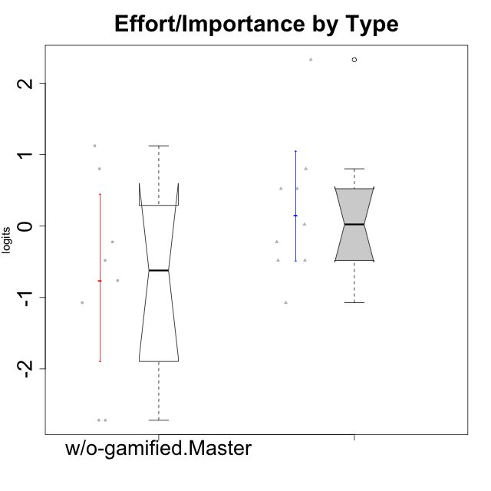

Wilcoxon data
UserID | NroUSP | Type | CLGroup | CLRole | PlayerRole | Score | theta | error | Outfit | Infit | Effort/Importance
10171 | 698531 | ont-gamified | Mafia | Master | Social Achiever | 18 | 2.3295817046 | 1.1978314531 | 0.17435098377 | 0.22183243201 | 2.3295817046
10174 | 10276852 | w/o-gamified | Grupo7 | Master |  | 10 | -0.48050764026 | 0.52846460748 | 1.5310683847 | 1.6458852541 | -0.48050764026
10175 | 10310700 | ont-gamified | Warriors | Master | Social Achiever | 15 | 0.80189142729 | 0.57267986942 | 0.82041011141 | 0.88129085801 | 0.80189142729
10176 | 10276949 | ont-gamified | Outlaws | Master | Social Achiever | 8 | -1.0730990233 | 0.57160078642 | 0.52156704287 | 0.48839070156 | -1.0730990233
10179 | 10310759 | w/o-gamified | Grupo10 | Master |  | 16 | 1.1239667538 | 0.63541624579 | 0.41892463683 | 0.32835915654 | 1.1239667538
10188 | 10276995 | ont-gamified | Vandals | Master | Yee Achiever | 12 | 0.0236444457 | 0.51340987229 | 0.072204778568 | 0.0721781546 | 0.0236444457
10191 | 10276981 | w/o-gamified | Grupo1 | Master |  | 11 | -0.22200760026 | 0.5166355232 | 0.32294883459 | 0.34383068534 | -0.22200760026
10208 | 10276932 | ont-gamified | Mercenaries | Master | Social Achiever | 14 | 0.52323555073 | 0.53817370542 | 0.020694439345 | 0.020464596608 | 0.52323555073
10215 | 9285227 | ont-gamified | Vikings | Master | Social Achiever | 10 | -0.48050764026 | 0.52846460748 | 2.1216702605 | 2.1123248531 | -0.48050764026
10216 | 10276720 | ont-gamified | Silly Knights | Master | Social Achiever | 14 | 0.52323555073 | 0.53817370542 | 0.45490384772 | 0.43836064462 | 0.52323555073
10219 | 10276831 | w/o-gamified | Grupo3 | Master |  | 4 | -2.7185750804 | 0.85423585078 | 0.30146200542 | 0.30429203868 | -2.7185750804
10223 | 9795185 | ont-gamified | Slayers | Master | Social Achiever | 10 | -0.48050764026 | 0.52846460748 | 0.82888089903 | 0.77444917617 | -0.48050764026
10227 | 9274382 | w/o-gamified | Grupo5 | Master |  | 9 | -0.76239209582 | 0.54745612222 | 0.94859627642 | 1.0089377071 | -0.76239209582
10230 | 10351992 | ont-gamified | Resistance | Master | Social Achiever | 11 | -0.22200760026 | 0.5166355232 | 0.64045220344 | 0.62115552916 | -0.22200760026
10231 | 10276911 | w/o-gamified | Grupo9 | Master |  | 8 | -1.0730990233 | 0.57160078642 | 0.69967876591 | 0.65210979244 | -1.0730990233
10234 | 10310676 | w/o-gamified | Grupo4 | Master |  | 4 | -2.7185750804 | 0.85423585078 | 0.30146200542 | 0.30429203868 | -2.7185750804
10238 | 10276953 | w/o-gamified | Grupo2 | Master |  | 15 | 0.80189142729 | 0.57267986942 | 0.19749006521 | 0.15138034332 | 0.80189142729

Type_CLRole_6
Wilcoxon Analysis for Effort/Importance by Type in Type:CLRole between w/o-gamified.Apprentice:w/o-gamified.Master

Wilcoxon test results
Alternative hypothesis: less
Group | N | Median | Mean.Ranks | Sum.Ranks | U | Z | p.value | r | magnitude
w/o-gamified.Apprentice | 19 | -0.48050764026 | 14.605263158 | 277.5 | 87.5 | 0.61412125148 | 0.73087395696 | 0.11818768995 | small
w/o-gamified.Master | 8 | -0.62144986804 | 12.5625 | 100.5 | 87.5 | 0.61412125148 | 0.73087395696 | 0.11818768995 | small
Alternative hypothesis: greater
Group | N | Median | Mean.Ranks | Sum.Ranks | U | Z | p.value | r | magnitude
w/o-gamified.Apprentice | 19 | -0.48050764026 | 14.605263158 | 277.5 | 87.5 | 0.61412125148 | 0.27791313357 | 0.11818768995 | small
w/o-gamified.Master | 8 | -0.62144986804 | 12.5625 | 100.5 | 87.5 | 0.61412125148 | 0.27791313357 | 0.11818768995 | small
Alternative hypothesis: two.sided
Group | N | Median | Mean.Ranks | Sum.Ranks | U | Z | p.value | r | magnitude
w/o-gamified.Apprentice | 19 | -0.48050764026 | 14.605263158 | 277.5 | 87.5 | 0.61412125148 | 0.55608616826 | 0.11818768995 | small
w/o-gamified.Master | 8 | -0.62144986804 | 12.5625 | 100.5 | 87.5 | 0.61412125148 | 0.55608616826 | 0.11818768995 | small

Box plots for wilcoxon tests
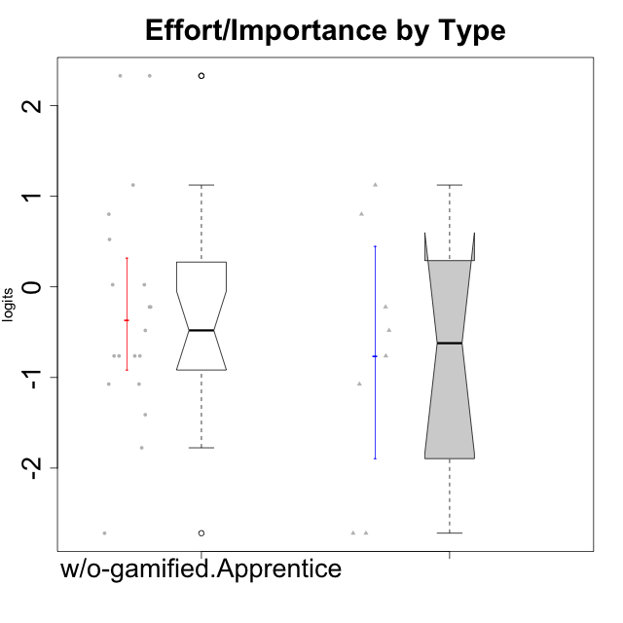

Wilcoxon data
UserID | NroUSP | Type | CLGroup | CLRole | PlayerRole | Score | theta | error | Outfit | Infit | Effort/Importance
10170 | 10260351 | w/o-gamified | Grupo11 | Apprentice |  | 11 | -0.22200760026 | 0.5166355232 | 0.021087904229 | 0.022547156511 | -0.22200760026
10172 | 10273971 | w/o-gamified | Grupo5 | Apprentice |  | 7 | -1.4108634958 | 0.6007446005 | 0.87421264722 | 0.79320909815 | -1.4108634958
10174 | 10276852 | w/o-gamified | Grupo7 | Master |  | 10 | -0.48050764026 | 0.52846460748 | 1.5310683847 | 1.6458852541 | -0.48050764026
10179 | 10310759 | w/o-gamified | Grupo10 | Master |  | 16 | 1.1239667538 | 0.63541624579 | 0.41892463683 | 0.32835915654 | 1.1239667538
10181 | 10276866 | w/o-gamified | Grupo2 | Apprentice |  | 6 | -1.7760720264 | 0.6410608275 | 0.54677611459 | 0.52310590887 | -1.7760720264
10183 | 10352030 | w/o-gamified | Grupo3 | Apprentice |  | 8 | -1.0730990233 | 0.57160078642 | 0.91943671972 | 0.86410797003 | -1.0730990233
10184 | 10276675 | w/o-gamified | Grupo10 | Apprentice |  | 8 | -1.0730990233 | 0.57160078642 | 0.022559320336 | 0.02279441772 | -1.0730990233
10185 | 10276960 | w/o-gamified | Grupo9 | Apprentice |  | 10 | -0.48050764026 | 0.52846460748 | 0.29599663436 | 0.31604715525 | -0.48050764026
10190 | 10276907 | w/o-gamified | Grupo4 | Apprentice |  | 9 | -0.76239209582 | 0.54745612222 | 0.58638699726 | 0.58618657459 | -0.76239209582
10191 | 10276981 | w/o-gamified | Grupo1 | Master |  | 11 | -0.22200760026 | 0.5166355232 | 0.32294883459 | 0.34383068534 | -0.22200760026
10197 | 10276661 | w/o-gamified | Grupo8 | Apprentice |  | 11 | -0.22200760026 | 0.5166355232 | 0.021087904229 | 0.022547156511 | -0.22200760026
10199 | 10276737 | w/o-gamified | Grupo1 | Apprentice |  | 9 | -0.76239209582 | 0.54745612222 | 0.20524522577 | 0.1981457293 | -0.76239209582
10201 | 10276928 | w/o-gamified | Grupo11 | Apprentice |  | 12 | 0.0236444457 | 0.51340987229 | 0.25756944846 | 0.245236898 | 0.0236444457
10204 | 10310471 | w/o-gamified | Grupo6 | Apprentice |  | 12 | 0.0236444457 | 0.51340987229 | 1.4765190083 | 1.5433456487 | 0.0236444457
10206 | 10310721 | w/o-gamified | Grupo8 | Apprentice |  | 14 | 0.52323555073 | 0.53817370542 | 0.020694439345 | 0.020464596608 | 0.52323555073
10210 | 10277015 | w/o-gamified | Grupo6 | Apprentice |  | 18 | 2.3295817046 | 1.1978314531 | 0.17435098377 | 0.22183243201 | 2.3295817046
10213 | 10277040 | w/o-gamified | Grupo7 | Apprentice |  | 18 | 2.3295817046 | 1.1978314531 | 0.17435098377 | 0.22183243201 | 2.3295817046
10217 | 9805341 | w/o-gamified | Grupo9 | Apprentice |  | 9 | -0.76239209582 | 0.54745612222 | 0.1279842716 | 0.12660564573 | -0.76239209582
10218 | 9842913 | w/o-gamified | Grupo10 | Apprentice |  | 9 | -0.76239209582 | 0.54745612222 | 0.20524522577 | 0.1981457293 | -0.76239209582
10219 | 10276831 | w/o-gamified | Grupo3 | Master |  | 4 | -2.7185750804 | 0.85423585078 | 0.30146200542 | 0.30429203868 | -2.7185750804
10220 | 9760151 | w/o-gamified | Grupo3 | Apprentice |  | 15 | 0.80189142729 | 0.57267986942 | 0.82041011141 | 0.88129085801 | 0.80189142729
10226 | 10310342 | w/o-gamified | Grupo4 | Apprentice |  | 4 | -2.7185750804 | 0.85423585078 | 0.30146200542 | 0.30429203868 | -2.7185750804
10227 | 9274382 | w/o-gamified | Grupo5 | Master |  | 9 | -0.76239209582 | 0.54745612222 | 0.94859627642 | 1.0089377071 | -0.76239209582
10231 | 10276911 | w/o-gamified | Grupo9 | Master |  | 8 | -1.0730990233 | 0.57160078642 | 0.69967876591 | 0.65210979244 | -1.0730990233
10232 | 10276974 | w/o-gamified | Grupo7 | Apprentice |  | 16 | 1.1239667538 | 0.63541624579 | 0.40826297769 | 0.39818307171 | 1.1239667538
10234 | 10310676 | w/o-gamified | Grupo4 | Master |  | 4 | -2.7185750804 | 0.85423585078 | 0.30146200542 | 0.30429203868 | -2.7185750804
10238 | 10276953 | w/o-gamified | Grupo2 | Master |  | 15 | 0.80189142729 | 0.57267986942 | 0.19749006521 | 0.15138034332 | 0.80189142729

