Type_1
Wilcoxon Analysis for Interest/Enjoyment by Type in Type between ont-gamified:w/o-gamified

Wilcoxon test results
Alternative hypothesis: less
Group | N | Median | Mean.Ranks | Sum.Ranks | U | Z | p.value | r | magnitude
ont-gamified | 24 | 0.51184859303 | 27.604166667 | 662.5 | 362.5 | 0.72855816563 | 0.76664228242 | 0.10201854894 | small
w/o-gamified | 27 | 0.1094723335 | 24.574074074 | 663.5 | 362.5 | 0.72855816563 | 0.76664228242 | 0.10201854894 | small
Alternative hypothesis: greater
Group | N | Median | Mean.Ranks | Sum.Ranks | U | Z | p.value | r | magnitude
ont-gamified | 24 | 0.51184859303 | 27.604166667 | 662.5 | 362.5 | 0.72855816563 | 0.23625136055 | 0.10201854894 | small
w/o-gamified | 27 | 0.1094723335 | 24.574074074 | 663.5 | 362.5 | 0.72855816563 | 0.23625136055 | 0.10201854894 | small
Alternative hypothesis: two.sided
Group | N | Median | Mean.Ranks | Sum.Ranks | U | Z | p.value | r | magnitude
ont-gamified | 24 | 0.51184859303 | 27.604166667 | 662.5 | 362.5 | 0.72855816563 | 0.47249817445 | 0.10201854894 | small
w/o-gamified | 27 | 0.1094723335 | 24.574074074 | 663.5 | 362.5 | 0.72855816563 | 0.47249817445 | 0.10201854894 | small

Box plots for wilcoxon tests
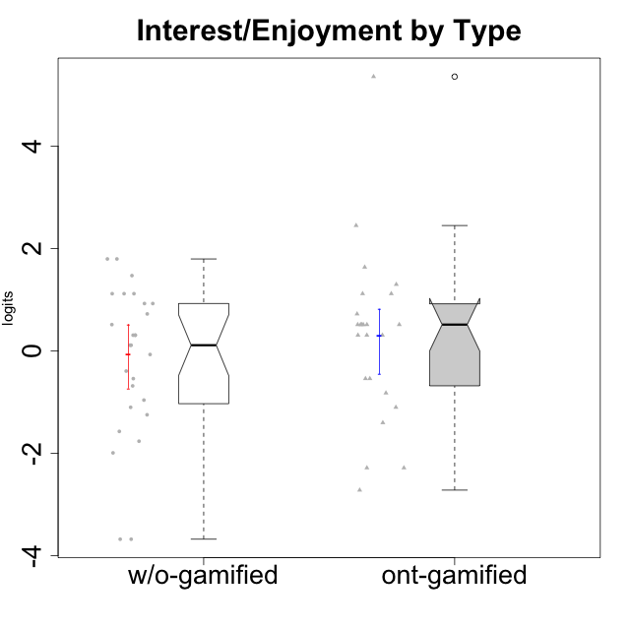

Wilcoxon data
UserID | NroUSP | Type | CLGroup | CLRole | PlayerRole | Score | theta | error | Outfit | Infit | Interest/Enjoyment
10169 | 10377538 | ont-gamified | Resistance | Apprentice | Social Achiever | 36 | 5.3568521128 | 1.4390278114 | 0.082375036988 | 0.086726039929 | 5.3568521128
10170 | 10260351 | w/o-gamified | Grupo11 | Apprentice |  | 19 | 0.72072301776 | 0.44270997603 | 0.52119251155 | 0.54996733108 | 0.72072301776
10171 | 698531 | ont-gamified | Mafia | Master | Social Achiever | 29 | 2.4477676325 | 0.43203702933 | 0.48340795532 | 0.4931757124 | 2.4477676325
10172 | 10273971 | w/o-gamified | Grupo5 | Apprentice |  | 25 | 1.7947392768 | 0.40797726808 | 0.43840236668 | 0.42144609015 | 1.7947392768
10174 | 10276852 | w/o-gamified | Grupo7 | Master |  | 21 | 1.1160486233 | 0.42982658317 | 0.97203827738 | 0.97218675787 | 1.1160486233
10175 | 10310700 | ont-gamified | Warriors | Master | Social Achiever | 18 | 0.51184859303 | 0.44295816012 | 0.055510712096 | 0.057244223093 | 0.51184859303
10176 | 10276949 | ont-gamified | Outlaws | Master | Social Achiever | 17 | 0.30539635193 | 0.43734590661 | 0.10784919445 | 0.11130543727 | 0.30539635193
10179 | 10310759 | w/o-gamified | Grupo10 | Master |  | 16 | 0.1094723335 | 0.42735909669 | 1.8983624591 | 2.0060685699 | 0.1094723335
10181 | 10276866 | w/o-gamified | Grupo2 | Apprentice |  | 7 | -1.2497873738 | 0.4009724096 | 0.48160500749 | 0.48524544929 | -1.2497873738
10183 | 10352030 | w/o-gamified | Grupo3 | Apprentice |  | 11 | -0.68535465006 | 0.38453481265 | 0.20849807775 | 0.20917116319 | -0.68535465006
10184 | 10276675 | w/o-gamified | Grupo10 | Apprentice |  | 17 | 0.30539635193 | 0.43734590661 | 0.21230592906 | 0.21236142246 | 0.30539635193
10185 | 10276960 | w/o-gamified | Grupo9 | Apprentice |  | 23 | 1.4693286385 | 0.41503051351 | 1.0253824724 | 1.0370205811 | 1.4693286385
10186 | 10310551 | ont-gamified | Slayers | Apprentice | Social Achiever | 17 | 0.30539635193 | 0.43734590661 | 3.0624593575 | 3.1461735031 | 0.30539635193
10188 | 10276995 | ont-gamified | Vandals | Master | Yee Achiever | 12 | -0.54344508478 | 0.38854590048 | 0.7550947197 | 0.78726035129 | -0.54344508478
10189 | 9363926 | ont-gamified | Vikings | Apprentice | Social Achiever | 6 | -1.4049952502 | 0.4159521833 | 0.53704215729 | 0.56025919171 | -1.4049952502
10190 | 10276907 | w/o-gamified | Grupo4 | Apprentice |  | 13 | -0.39586837009 | 0.39532091817 | 0.39775754489 | 0.39296743259 | -0.39586837009
10191 | 10276981 | w/o-gamified | Grupo1 | Master |  | 8 | -1.1036517025 | 0.39119496727 | 0.40003086411 | 0.3811349161 | -1.1036517025
10192 | 10276682 | ont-gamified | Attractive Devils | Apprentice | Social Achiever | 18 | 0.51184859303 | 0.44295816012 | 3.0131667061 | 2.9685631746 | 0.51184859303
10193 | 10276762 | ont-gamified | Vandals | Apprentice | Yee Achiever | 2 | -2.2868947758 | 0.60087548341 | 0.52352314837 | 0.56062471965 | -2.2868947758
10197 | 10276661 | w/o-gamified | Grupo8 | Apprentice |  | 15 | -0.072113283119 | 0.41568891232 | 1.6258155023 | 1.6255076911 | -0.072113283119
10198 | 10310888 | ont-gamified | Attractive Devils | Apprentice | Social Achiever | 18 | 0.51184859303 | 0.44295816012 | 2.178796151 | 2.1477329506 | 0.51184859303
10199 | 10276737 | w/o-gamified | Grupo1 | Apprentice |  | 12 | -0.54344508478 | 0.38854590048 | 0.63920722855 | 0.66601195303 | -0.54344508478
10200 | 9795272 | ont-gamified | Warriors | Apprentice | Social Achiever | 21 | 1.1160486233 | 0.42982658317 | 0.52068240089 | 0.49665118539 | 1.1160486233
10201 | 10276928 | w/o-gamified | Grupo11 | Apprentice |  | 25 | 1.7947392768 | 0.40797726808 | 1.1474185619 | 1.1632629231 | 1.7947392768
10202 | 10277036 | ont-gamified | Silly Knights | Apprentice | Social Achiever | 12 | -0.54344508478 | 0.38854590048 | 0.077053806682 | 0.071002860207 | -0.54344508478
10203 | 9921470 | ont-gamified | Mercenaries | Apprentice | Social Achiever | 19 | 0.72072301776 | 0.44270997603 | 0.8646996354 | 0.90185673144 | 0.72072301776
10204 | 10310471 | w/o-gamified | Grupo6 | Apprentice |  | 0 | -3.6806588995 | 1.3064690224 | 0.086815127259 | 0.095454339875 | -3.6806588995
10206 | 10310721 | w/o-gamified | Grupo8 | Apprentice |  | 16 | 0.1094723335 | 0.42735909669 | 0.78564416313 | 0.80049201896 | 0.1094723335
10208 | 10276932 | ont-gamified | Mercenaries | Master | Social Achiever | 17 | 0.30539635193 | 0.43734590661 | 0.10784919445 | 0.11130543727 | 0.30539635193
10209 | 10262669 | ont-gamified | Mafia | Apprentice | Social Achiever | 8 | -1.1036517025 | 0.39119496727 | 0.74274134388 | 0.72687120873 | -1.1036517025
10210 | 10277015 | w/o-gamified | Grupo6 | Apprentice |  | 0 | -3.6806588995 | 1.3064690224 | 0.086815127259 | 0.095454339875 | -3.6806588995
10213 | 10277040 | w/o-gamified | Grupo7 | Apprentice |  | 17 | 0.30539635193 | 0.43734590661 | 3.4006406215 | 3.5348869878 | 0.30539635193
10214 | 10277022 | ont-gamified | Vikings | Apprentice | Social Achiever | 1 | -2.7217301415 | 0.76189112265 | 0.27539636664 | 0.32909165009 | -2.7217301415
10215 | 9285227 | ont-gamified | Vikings | Master | Social Achiever | 18 | 0.51184859303 | 0.44295816012 | 1.2190392223 | 1.2157732839 | 0.51184859303
10216 | 10276720 | ont-gamified | Silly Knights | Master | Social Achiever | 22 | 1.2974006096 | 0.42183420516 | 2.0586587633 | 1.9736328059 | 1.2974006096
10217 | 9805341 | w/o-gamified | Grupo9 | Apprentice |  | 20 | 0.92364048531 | 0.437533609 | 0.48289281738 | 0.46990062105 | 0.92364048531
10218 | 9842913 | w/o-gamified | Grupo10 | Apprentice |  | 18 | 0.51184859303 | 0.44295816012 | 0.055510712096 | 0.057244223093 | 0.51184859303
10219 | 10276831 | w/o-gamified | Grupo3 | Master |  | 5 | -1.5744672385 | 0.43795085246 | 1.9355262289 | 1.7017890568 | -1.5744672385
10220 | 9760151 | w/o-gamified | Grupo3 | Apprentice |  | 9 | -0.96282466304 | 0.38556723592 | 1.536293527 | 1.5487583 | -0.96282466304
10221 | 9082496 | ont-gamified | Warriors | Apprentice | Social Achiever | 10 | -0.82428435562 | 0.38346850495 | 0.099730271623 | 0.10038004953 | -0.82428435562
10223 | 9795185 | ont-gamified | Slayers | Master | Social Achiever | 24 | 1.634244949 | 0.41025071602 | 0.1646960929 | 0.16226903634 | 1.634244949
10224 | 9368772 | ont-gamified | Mercenaries | Apprentice | Social Achiever | 18 | 0.51184859303 | 0.44295816012 | 0.055510712096 | 0.057244223093 | 0.51184859303
10226 | 10310342 | w/o-gamified | Grupo4 | Apprentice |  | 3 | -1.9940956984 | 0.51947381083 | 1.1128517913 | 1.4691231753 | -1.9940956984
10227 | 9274382 | w/o-gamified | Grupo5 | Master |  | 20 | 0.92364048531 | 0.437533609 | 1.1245867882 | 1.1288456194 | 0.92364048531
10228 | 10310492 | ont-gamified | Resistance | Apprentice | Social Achiever | 2 | -2.2868947758 | 0.60087548341 | 0.35115525051 | 0.33306566386 | -2.2868947758
10230 | 10351992 | ont-gamified | Resistance | Master | Social Achiever | 21 | 1.1160486233 | 0.42982658317 | 0.1653865777 | 0.16329508419 | 1.1160486233
10231 | 10276911 | w/o-gamified | Grupo9 | Master |  | 21 | 1.1160486233 | 0.42982658317 | 0.93412384777 | 0.91260239264 | 1.1160486233
10232 | 10276974 | w/o-gamified | Grupo7 | Apprentice |  | 21 | 1.1160486233 | 0.42982658317 | 0.22748898809 | 0.22242988957 | 1.1160486233
10234 | 10310676 | w/o-gamified | Grupo4 | Master |  | 4 | -1.7661895627 | 0.47026734229 | 0.22545603316 | 0.19329582891 | -1.7661895627
10237 | 10377688 | ont-gamified | Outlaws | Apprentice | Social Achiever | 18 | 0.51184859303 | 0.44295816012 | 1.7266251994 | 1.7148546123 | 0.51184859303
10238 | 10276953 | w/o-gamified | Grupo2 | Master |  | 17 | 0.30539635193 | 0.43734590661 | 0.10784919445 | 0.11130543727 | 0.30539635193

Type_CLRole_1
Wilcoxon Analysis for Interest/Enjoyment by Type in Type:CLRole between ont-gamified.Apprentice:ont-gamified.Master

Wilcoxon test results
Alternative hypothesis: less
Group | N | Median | Mean.Ranks | Sum.Ranks | U | Z | p.value | r | magnitude
ont-gamified.Apprentice | 15 | 0.30539635193 | 10.533333333 | 158 | 38 | -1.7753243084 | 0.039080568778 | 0.36238655696 | medium
ont-gamified.Master | 9 | 0.51184859303 | 15.777777778 | 142 | 38 | -1.7753243084 | 0.039080568778 | 0.36238655696 | medium
Alternative hypothesis: greater
Group | N | Median | Mean.Ranks | Sum.Ranks | U | Z | p.value | r | magnitude
ont-gamified.Apprentice | 15 | 0.30539635193 | 10.533333333 | 158 | 38 | -1.7753243084 | 0.96344791297 | 0.36238655696 | medium
ont-gamified.Master | 9 | 0.51184859303 | 15.777777778 | 142 | 38 | -1.7753243084 | 0.96344791297 | 0.36238655696 | medium
Alternative hypothesis: two.sided
Group | N | Median | Mean.Ranks | Sum.Ranks | U | Z | p.value | r | magnitude
ont-gamified.Apprentice | 15 | 0.30539635193 | 10.533333333 | 158 | 38 | -1.7753243084 | 0.078167256085 | 0.36238655696 | medium
ont-gamified.Master | 9 | 0.51184859303 | 15.777777778 | 142 | 38 | -1.7753243084 | 0.078167256085 | 0.36238655696 | medium

Box plots for wilcoxon tests
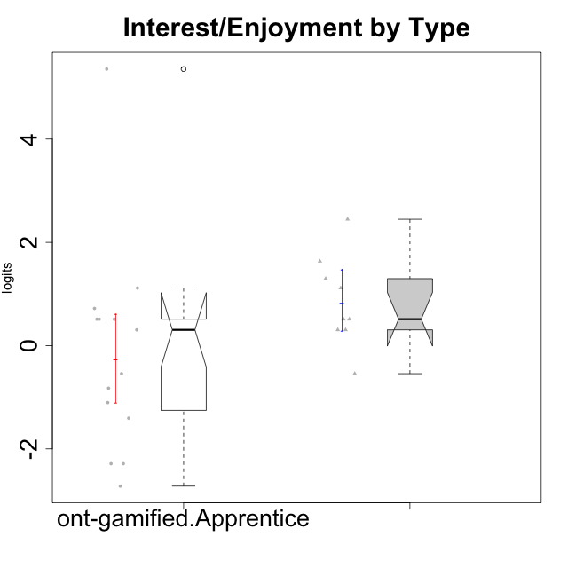

Wilcoxon data
UserID | NroUSP | Type | CLGroup | CLRole | PlayerRole | Score | theta | error | Outfit | Infit | Interest/Enjoyment
10169 | 10377538 | ont-gamified | Resistance | Apprentice | Social Achiever | 36 | 5.3568521128 | 1.4390278114 | 0.082375036988 | 0.086726039929 | 5.3568521128
10171 | 698531 | ont-gamified | Mafia | Master | Social Achiever | 29 | 2.4477676325 | 0.43203702933 | 0.48340795532 | 0.4931757124 | 2.4477676325
10175 | 10310700 | ont-gamified | Warriors | Master | Social Achiever | 18 | 0.51184859303 | 0.44295816012 | 0.055510712096 | 0.057244223093 | 0.51184859303
10176 | 10276949 | ont-gamified | Outlaws | Master | Social Achiever | 17 | 0.30539635193 | 0.43734590661 | 0.10784919445 | 0.11130543727 | 0.30539635193
10186 | 10310551 | ont-gamified | Slayers | Apprentice | Social Achiever | 17 | 0.30539635193 | 0.43734590661 | 3.0624593575 | 3.1461735031 | 0.30539635193
10188 | 10276995 | ont-gamified | Vandals | Master | Yee Achiever | 12 | -0.54344508478 | 0.38854590048 | 0.7550947197 | 0.78726035129 | -0.54344508478
10189 | 9363926 | ont-gamified | Vikings | Apprentice | Social Achiever | 6 | -1.4049952502 | 0.4159521833 | 0.53704215729 | 0.56025919171 | -1.4049952502
10192 | 10276682 | ont-gamified | Attractive Devils | Apprentice | Social Achiever | 18 | 0.51184859303 | 0.44295816012 | 3.0131667061 | 2.9685631746 | 0.51184859303
10193 | 10276762 | ont-gamified | Vandals | Apprentice | Yee Achiever | 2 | -2.2868947758 | 0.60087548341 | 0.52352314837 | 0.56062471965 | -2.2868947758
10198 | 10310888 | ont-gamified | Attractive Devils | Apprentice | Social Achiever | 18 | 0.51184859303 | 0.44295816012 | 2.178796151 | 2.1477329506 | 0.51184859303
10200 | 9795272 | ont-gamified | Warriors | Apprentice | Social Achiever | 21 | 1.1160486233 | 0.42982658317 | 0.52068240089 | 0.49665118539 | 1.1160486233
10202 | 10277036 | ont-gamified | Silly Knights | Apprentice | Social Achiever | 12 | -0.54344508478 | 0.38854590048 | 0.077053806682 | 0.071002860207 | -0.54344508478
10203 | 9921470 | ont-gamified | Mercenaries | Apprentice | Social Achiever | 19 | 0.72072301776 | 0.44270997603 | 0.8646996354 | 0.90185673144 | 0.72072301776
10208 | 10276932 | ont-gamified | Mercenaries | Master | Social Achiever | 17 | 0.30539635193 | 0.43734590661 | 0.10784919445 | 0.11130543727 | 0.30539635193
10209 | 10262669 | ont-gamified | Mafia | Apprentice | Social Achiever | 8 | -1.1036517025 | 0.39119496727 | 0.74274134388 | 0.72687120873 | -1.1036517025
10214 | 10277022 | ont-gamified | Vikings | Apprentice | Social Achiever | 1 | -2.7217301415 | 0.76189112265 | 0.27539636664 | 0.32909165009 | -2.7217301415
10215 | 9285227 | ont-gamified | Vikings | Master | Social Achiever | 18 | 0.51184859303 | 0.44295816012 | 1.2190392223 | 1.2157732839 | 0.51184859303
10216 | 10276720 | ont-gamified | Silly Knights | Master | Social Achiever | 22 | 1.2974006096 | 0.42183420516 | 2.0586587633 | 1.9736328059 | 1.2974006096
10221 | 9082496 | ont-gamified | Warriors | Apprentice | Social Achiever | 10 | -0.82428435562 | 0.38346850495 | 0.099730271623 | 0.10038004953 | -0.82428435562
10223 | 9795185 | ont-gamified | Slayers | Master | Social Achiever | 24 | 1.634244949 | 0.41025071602 | 0.1646960929 | 0.16226903634 | 1.634244949
10224 | 9368772 | ont-gamified | Mercenaries | Apprentice | Social Achiever | 18 | 0.51184859303 | 0.44295816012 | 0.055510712096 | 0.057244223093 | 0.51184859303
10228 | 10310492 | ont-gamified | Resistance | Apprentice | Social Achiever | 2 | -2.2868947758 | 0.60087548341 | 0.35115525051 | 0.33306566386 | -2.2868947758
10230 | 10351992 | ont-gamified | Resistance | Master | Social Achiever | 21 | 1.1160486233 | 0.42982658317 | 0.1653865777 | 0.16329508419 | 1.1160486233
10237 | 10377688 | ont-gamified | Outlaws | Apprentice | Social Achiever | 18 | 0.51184859303 | 0.44295816012 | 1.7266251994 | 1.7148546123 | 0.51184859303

Type_CLRole_2
Wilcoxon Analysis for Interest/Enjoyment by Type in Type:CLRole between ont-gamified.Apprentice:w/o-gamified.Apprentice

Wilcoxon test results
Alternative hypothesis: less
Group | N | Median | Mean.Ranks | Sum.Ranks | U | Z | p.value | r | magnitude
ont-gamified.Apprentice | 15 | 0.30539635193 | 16.9 | 253.5 | 133.5 | -0.31287747328 | 0.38202026186 | 0.05365804399 | none
w/o-gamified.Apprentice | 19 | 0.1094723335 | 17.973684211 | 341.5 | 133.5 | -0.31287747328 | 0.38202026186 | 0.05365804399 | none
Alternative hypothesis: greater
Group | N | Median | Mean.Ranks | Sum.Ranks | U | Z | p.value | r | magnitude
ont-gamified.Apprentice | 15 | 0.30539635193 | 16.9 | 253.5 | 133.5 | -0.31287747328 | 0.62450371438 | 0.05365804399 | none
w/o-gamified.Apprentice | 19 | 0.1094723335 | 17.973684211 | 341.5 | 133.5 | -0.31287747328 | 0.62450371438 | 0.05365804399 | none
Alternative hypothesis: two.sided
Group | N | Median | Mean.Ranks | Sum.Ranks | U | Z | p.value | r | magnitude
ont-gamified.Apprentice | 15 | 0.30539635193 | 16.9 | 253.5 | 133.5 | -0.31287747328 | 0.76406929955 | 0.05365804399 | none
w/o-gamified.Apprentice | 19 | 0.1094723335 | 17.973684211 | 341.5 | 133.5 | -0.31287747328 | 0.76406929955 | 0.05365804399 | none

Box plots for wilcoxon tests
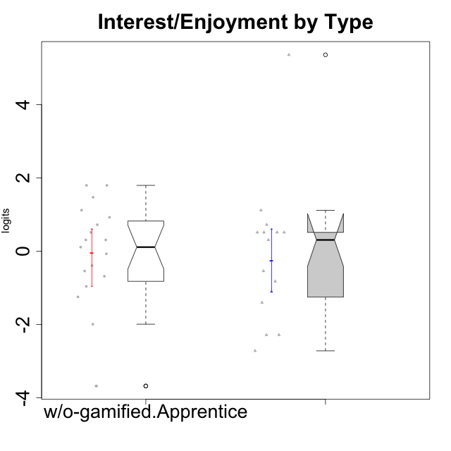

Wilcoxon data
UserID | NroUSP | Type | CLGroup | CLRole | PlayerRole | Score | theta | error | Outfit | Infit | Interest/Enjoyment
10169 | 10377538 | ont-gamified | Resistance | Apprentice | Social Achiever | 36 | 5.3568521128 | 1.4390278114 | 0.082375036988 | 0.086726039929 | 5.3568521128
10170 | 10260351 | w/o-gamified | Grupo11 | Apprentice |  | 19 | 0.72072301776 | 0.44270997603 | 0.52119251155 | 0.54996733108 | 0.72072301776
10172 | 10273971 | w/o-gamified | Grupo5 | Apprentice |  | 25 | 1.7947392768 | 0.40797726808 | 0.43840236668 | 0.42144609015 | 1.7947392768
10181 | 10276866 | w/o-gamified | Grupo2 | Apprentice |  | 7 | -1.2497873738 | 0.4009724096 | 0.48160500749 | 0.48524544929 | -1.2497873738
10183 | 10352030 | w/o-gamified | Grupo3 | Apprentice |  | 11 | -0.68535465006 | 0.38453481265 | 0.20849807775 | 0.20917116319 | -0.68535465006
10184 | 10276675 | w/o-gamified | Grupo10 | Apprentice |  | 17 | 0.30539635193 | 0.43734590661 | 0.21230592906 | 0.21236142246 | 0.30539635193
10185 | 10276960 | w/o-gamified | Grupo9 | Apprentice |  | 23 | 1.4693286385 | 0.41503051351 | 1.0253824724 | 1.0370205811 | 1.4693286385
10186 | 10310551 | ont-gamified | Slayers | Apprentice | Social Achiever | 17 | 0.30539635193 | 0.43734590661 | 3.0624593575 | 3.1461735031 | 0.30539635193
10189 | 9363926 | ont-gamified | Vikings | Apprentice | Social Achiever | 6 | -1.4049952502 | 0.4159521833 | 0.53704215729 | 0.56025919171 | -1.4049952502
10190 | 10276907 | w/o-gamified | Grupo4 | Apprentice |  | 13 | -0.39586837009 | 0.39532091817 | 0.39775754489 | 0.39296743259 | -0.39586837009
10192 | 10276682 | ont-gamified | Attractive Devils | Apprentice | Social Achiever | 18 | 0.51184859303 | 0.44295816012 | 3.0131667061 | 2.9685631746 | 0.51184859303
10193 | 10276762 | ont-gamified | Vandals | Apprentice | Yee Achiever | 2 | -2.2868947758 | 0.60087548341 | 0.52352314837 | 0.56062471965 | -2.2868947758
10197 | 10276661 | w/o-gamified | Grupo8 | Apprentice |  | 15 | -0.072113283119 | 0.41568891232 | 1.6258155023 | 1.6255076911 | -0.072113283119
10198 | 10310888 | ont-gamified | Attractive Devils | Apprentice | Social Achiever | 18 | 0.51184859303 | 0.44295816012 | 2.178796151 | 2.1477329506 | 0.51184859303
10199 | 10276737 | w/o-gamified | Grupo1 | Apprentice |  | 12 | -0.54344508478 | 0.38854590048 | 0.63920722855 | 0.66601195303 | -0.54344508478
10200 | 9795272 | ont-gamified | Warriors | Apprentice | Social Achiever | 21 | 1.1160486233 | 0.42982658317 | 0.52068240089 | 0.49665118539 | 1.1160486233
10201 | 10276928 | w/o-gamified | Grupo11 | Apprentice |  | 25 | 1.7947392768 | 0.40797726808 | 1.1474185619 | 1.1632629231 | 1.7947392768
10202 | 10277036 | ont-gamified | Silly Knights | Apprentice | Social Achiever | 12 | -0.54344508478 | 0.38854590048 | 0.077053806682 | 0.071002860207 | -0.54344508478
10203 | 9921470 | ont-gamified | Mercenaries | Apprentice | Social Achiever | 19 | 0.72072301776 | 0.44270997603 | 0.8646996354 | 0.90185673144 | 0.72072301776
10204 | 10310471 | w/o-gamified | Grupo6 | Apprentice |  | 0 | -3.6806588995 | 1.3064690224 | 0.086815127259 | 0.095454339875 | -3.6806588995
10206 | 10310721 | w/o-gamified | Grupo8 | Apprentice |  | 16 | 0.1094723335 | 0.42735909669 | 0.78564416313 | 0.80049201896 | 0.1094723335
10209 | 10262669 | ont-gamified | Mafia | Apprentice | Social Achiever | 8 | -1.1036517025 | 0.39119496727 | 0.74274134388 | 0.72687120873 | -1.1036517025
10210 | 10277015 | w/o-gamified | Grupo6 | Apprentice |  | 0 | -3.6806588995 | 1.3064690224 | 0.086815127259 | 0.095454339875 | -3.6806588995
10213 | 10277040 | w/o-gamified | Grupo7 | Apprentice |  | 17 | 0.30539635193 | 0.43734590661 | 3.4006406215 | 3.5348869878 | 0.30539635193
10214 | 10277022 | ont-gamified | Vikings | Apprentice | Social Achiever | 1 | -2.7217301415 | 0.76189112265 | 0.27539636664 | 0.32909165009 | -2.7217301415
10217 | 9805341 | w/o-gamified | Grupo9 | Apprentice |  | 20 | 0.92364048531 | 0.437533609 | 0.48289281738 | 0.46990062105 | 0.92364048531
10218 | 9842913 | w/o-gamified | Grupo10 | Apprentice |  | 18 | 0.51184859303 | 0.44295816012 | 0.055510712096 | 0.057244223093 | 0.51184859303
10220 | 9760151 | w/o-gamified | Grupo3 | Apprentice |  | 9 | -0.96282466304 | 0.38556723592 | 1.536293527 | 1.5487583 | -0.96282466304
10221 | 9082496 | ont-gamified | Warriors | Apprentice | Social Achiever | 10 | -0.82428435562 | 0.38346850495 | 0.099730271623 | 0.10038004953 | -0.82428435562
10224 | 9368772 | ont-gamified | Mercenaries | Apprentice | Social Achiever | 18 | 0.51184859303 | 0.44295816012 | 0.055510712096 | 0.057244223093 | 0.51184859303
10226 | 10310342 | w/o-gamified | Grupo4 | Apprentice |  | 3 | -1.9940956984 | 0.51947381083 | 1.1128517913 | 1.4691231753 | -1.9940956984
10228 | 10310492 | ont-gamified | Resistance | Apprentice | Social Achiever | 2 | -2.2868947758 | 0.60087548341 | 0.35115525051 | 0.33306566386 | -2.2868947758
10232 | 10276974 | w/o-gamified | Grupo7 | Apprentice |  | 21 | 1.1160486233 | 0.42982658317 | 0.22748898809 | 0.22242988957 | 1.1160486233
10237 | 10377688 | ont-gamified | Outlaws | Apprentice | Social Achiever | 18 | 0.51184859303 | 0.44295816012 | 1.7266251994 | 1.7148546123 | 0.51184859303

Type_CLRole_3
Wilcoxon Analysis for Interest/Enjoyment by Type in Type:CLRole between ont-gamified.Apprentice:w/o-gamified.Master

Wilcoxon test results
Alternative hypothesis: less
Group | N | Median | Mean.Ranks | Sum.Ranks | U | Z | p.value | r | magnitude
ont-gamified.Apprentice | 15 | 0.30539635193 | 11.666666667 | 175 | 55 | -0.32411262731 | 0.38190628862 | 0.067582154573 | none
w/o-gamified.Master | 8 | 0.20743434271 | 12.625 | 101 | 55 | -0.32411262731 | 0.38190628862 | 0.067582154573 | none
Alternative hypothesis: greater
Group | N | Median | Mean.Ranks | Sum.Ranks | U | Z | p.value | r | magnitude
ont-gamified.Apprentice | 15 | 0.30539635193 | 11.666666667 | 175 | 55 | -0.32411262731 | 0.63018596246 | 0.067582154573 | none
w/o-gamified.Master | 8 | 0.20743434271 | 12.625 | 101 | 55 | -0.32411262731 | 0.63018596246 | 0.067582154573 | none
Alternative hypothesis: two.sided
Group | N | Median | Mean.Ranks | Sum.Ranks | U | Z | p.value | r | magnitude
ont-gamified.Apprentice | 15 | 0.30539635193 | 11.666666667 | 175 | 55 | -0.32411262731 | 0.76344750507 | 0.067582154573 | none
w/o-gamified.Master | 8 | 0.20743434271 | 12.625 | 101 | 55 | -0.32411262731 | 0.76344750507 | 0.067582154573 | none

Box plots for wilcoxon tests
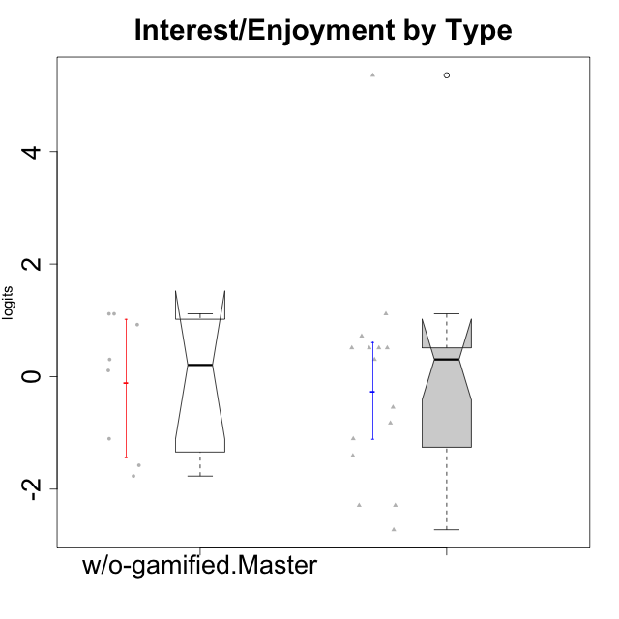

Wilcoxon data
UserID | NroUSP | Type | CLGroup | CLRole | PlayerRole | Score | theta | error | Outfit | Infit | Interest/Enjoyment
10169 | 10377538 | ont-gamified | Resistance | Apprentice | Social Achiever | 36 | 5.3568521128 | 1.4390278114 | 0.082375036988 | 0.086726039929 | 5.3568521128
10174 | 10276852 | w/o-gamified | Grupo7 | Master |  | 21 | 1.1160486233 | 0.42982658317 | 0.97203827738 | 0.97218675787 | 1.1160486233
10179 | 10310759 | w/o-gamified | Grupo10 | Master |  | 16 | 0.1094723335 | 0.42735909669 | 1.8983624591 | 2.0060685699 | 0.1094723335
10186 | 10310551 | ont-gamified | Slayers | Apprentice | Social Achiever | 17 | 0.30539635193 | 0.43734590661 | 3.0624593575 | 3.1461735031 | 0.30539635193
10189 | 9363926 | ont-gamified | Vikings | Apprentice | Social Achiever | 6 | -1.4049952502 | 0.4159521833 | 0.53704215729 | 0.56025919171 | -1.4049952502
10191 | 10276981 | w/o-gamified | Grupo1 | Master |  | 8 | -1.1036517025 | 0.39119496727 | 0.40003086411 | 0.3811349161 | -1.1036517025
10192 | 10276682 | ont-gamified | Attractive Devils | Apprentice | Social Achiever | 18 | 0.51184859303 | 0.44295816012 | 3.0131667061 | 2.9685631746 | 0.51184859303
10193 | 10276762 | ont-gamified | Vandals | Apprentice | Yee Achiever | 2 | -2.2868947758 | 0.60087548341 | 0.52352314837 | 0.56062471965 | -2.2868947758
10198 | 10310888 | ont-gamified | Attractive Devils | Apprentice | Social Achiever | 18 | 0.51184859303 | 0.44295816012 | 2.178796151 | 2.1477329506 | 0.51184859303
10200 | 9795272 | ont-gamified | Warriors | Apprentice | Social Achiever | 21 | 1.1160486233 | 0.42982658317 | 0.52068240089 | 0.49665118539 | 1.1160486233
10202 | 10277036 | ont-gamified | Silly Knights | Apprentice | Social Achiever | 12 | -0.54344508478 | 0.38854590048 | 0.077053806682 | 0.071002860207 | -0.54344508478
10203 | 9921470 | ont-gamified | Mercenaries | Apprentice | Social Achiever | 19 | 0.72072301776 | 0.44270997603 | 0.8646996354 | 0.90185673144 | 0.72072301776
10209 | 10262669 | ont-gamified | Mafia | Apprentice | Social Achiever | 8 | -1.1036517025 | 0.39119496727 | 0.74274134388 | 0.72687120873 | -1.1036517025
10214 | 10277022 | ont-gamified | Vikings | Apprentice | Social Achiever | 1 | -2.7217301415 | 0.76189112265 | 0.27539636664 | 0.32909165009 | -2.7217301415
10219 | 10276831 | w/o-gamified | Grupo3 | Master |  | 5 | -1.5744672385 | 0.43795085246 | 1.9355262289 | 1.7017890568 | -1.5744672385
10221 | 9082496 | ont-gamified | Warriors | Apprentice | Social Achiever | 10 | -0.82428435562 | 0.38346850495 | 0.099730271623 | 0.10038004953 | -0.82428435562
10224 | 9368772 | ont-gamified | Mercenaries | Apprentice | Social Achiever | 18 | 0.51184859303 | 0.44295816012 | 0.055510712096 | 0.057244223093 | 0.51184859303
10227 | 9274382 | w/o-gamified | Grupo5 | Master |  | 20 | 0.92364048531 | 0.437533609 | 1.1245867882 | 1.1288456194 | 0.92364048531
10228 | 10310492 | ont-gamified | Resistance | Apprentice | Social Achiever | 2 | -2.2868947758 | 0.60087548341 | 0.35115525051 | 0.33306566386 | -2.2868947758
10231 | 10276911 | w/o-gamified | Grupo9 | Master |  | 21 | 1.1160486233 | 0.42982658317 | 0.93412384777 | 0.91260239264 | 1.1160486233
10234 | 10310676 | w/o-gamified | Grupo4 | Master |  | 4 | -1.7661895627 | 0.47026734229 | 0.22545603316 | 0.19329582891 | -1.7661895627
10237 | 10377688 | ont-gamified | Outlaws | Apprentice | Social Achiever | 18 | 0.51184859303 | 0.44295816012 | 1.7266251994 | 1.7148546123 | 0.51184859303
10238 | 10276953 | w/o-gamified | Grupo2 | Master |  | 17 | 0.30539635193 | 0.43734590661 | 0.10784919445 | 0.11130543727 | 0.30539635193

Type_CLRole_4
Wilcoxon Analysis for Interest/Enjoyment by Type in Type:CLRole between ont-gamified.Master:w/o-gamified.Apprentice

Wilcoxon test results
Alternative hypothesis: less
Group | N | Median | Mean.Ranks | Sum.Ranks | U | Z | p.value | r | magnitude
ont-gamified.Master | 9 | 0.51184859303 | 18.444444444 | 166 | 121 | 1.750629555 | 0.96115884116 | 0.33083788859 | medium
w/o-gamified.Apprentice | 19 | 0.1094723335 | 12.631578947 | 240 | 121 | 1.750629555 | 0.96115884116 | 0.33083788859 | medium
Alternative hypothesis: greater
Group | N | Median | Mean.Ranks | Sum.Ranks | U | Z | p.value | r | magnitude
ont-gamified.Master | 9 | 0.51184859303 | 18.444444444 | 166 | 121 | 1.750629555 | 0.041057782797 | 0.33083788859 | medium
w/o-gamified.Apprentice | 19 | 0.1094723335 | 12.631578947 | 240 | 121 | 1.750629555 | 0.041057782797 | 0.33083788859 | medium
Alternative hypothesis: two.sided
Group | N | Median | Mean.Ranks | Sum.Ranks | U | Z | p.value | r | magnitude
ont-gamified.Master | 9 | 0.51184859303 | 18.444444444 | 166 | 121 | 1.750629555 | 0.082148865627 | 0.33083788859 | medium
w/o-gamified.Apprentice | 19 | 0.1094723335 | 12.631578947 | 240 | 121 | 1.750629555 | 0.082148865627 | 0.33083788859 | medium

Box plots for wilcoxon tests
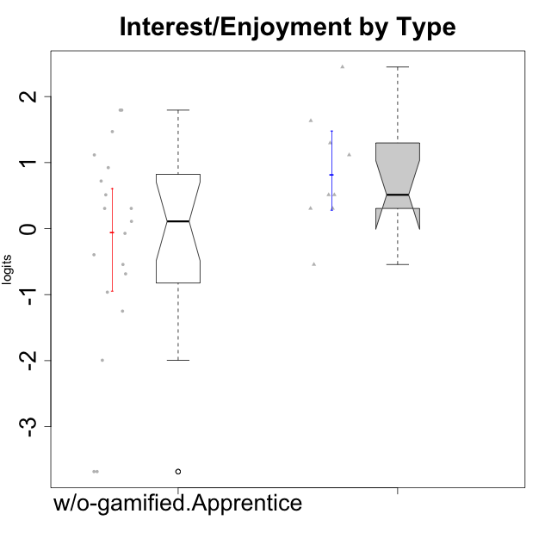

Wilcoxon data
UserID | NroUSP | Type | CLGroup | CLRole | PlayerRole | Score | theta | error | Outfit | Infit | Interest/Enjoyment
10170 | 10260351 | w/o-gamified | Grupo11 | Apprentice |  | 19 | 0.72072301776 | 0.44270997603 | 0.52119251155 | 0.54996733108 | 0.72072301776
10171 | 698531 | ont-gamified | Mafia | Master | Social Achiever | 29 | 2.4477676325 | 0.43203702933 | 0.48340795532 | 0.4931757124 | 2.4477676325
10172 | 10273971 | w/o-gamified | Grupo5 | Apprentice |  | 25 | 1.7947392768 | 0.40797726808 | 0.43840236668 | 0.42144609015 | 1.7947392768
10175 | 10310700 | ont-gamified | Warriors | Master | Social Achiever | 18 | 0.51184859303 | 0.44295816012 | 0.055510712096 | 0.057244223093 | 0.51184859303
10176 | 10276949 | ont-gamified | Outlaws | Master | Social Achiever | 17 | 0.30539635193 | 0.43734590661 | 0.10784919445 | 0.11130543727 | 0.30539635193
10181 | 10276866 | w/o-gamified | Grupo2 | Apprentice |  | 7 | -1.2497873738 | 0.4009724096 | 0.48160500749 | 0.48524544929 | -1.2497873738
10183 | 10352030 | w/o-gamified | Grupo3 | Apprentice |  | 11 | -0.68535465006 | 0.38453481265 | 0.20849807775 | 0.20917116319 | -0.68535465006
10184 | 10276675 | w/o-gamified | Grupo10 | Apprentice |  | 17 | 0.30539635193 | 0.43734590661 | 0.21230592906 | 0.21236142246 | 0.30539635193
10185 | 10276960 | w/o-gamified | Grupo9 | Apprentice |  | 23 | 1.4693286385 | 0.41503051351 | 1.0253824724 | 1.0370205811 | 1.4693286385
10188 | 10276995 | ont-gamified | Vandals | Master | Yee Achiever | 12 | -0.54344508478 | 0.38854590048 | 0.7550947197 | 0.78726035129 | -0.54344508478
10190 | 10276907 | w/o-gamified | Grupo4 | Apprentice |  | 13 | -0.39586837009 | 0.39532091817 | 0.39775754489 | 0.39296743259 | -0.39586837009
10197 | 10276661 | w/o-gamified | Grupo8 | Apprentice |  | 15 | -0.072113283119 | 0.41568891232 | 1.6258155023 | 1.6255076911 | -0.072113283119
10199 | 10276737 | w/o-gamified | Grupo1 | Apprentice |  | 12 | -0.54344508478 | 0.38854590048 | 0.63920722855 | 0.66601195303 | -0.54344508478
10201 | 10276928 | w/o-gamified | Grupo11 | Apprentice |  | 25 | 1.7947392768 | 0.40797726808 | 1.1474185619 | 1.1632629231 | 1.7947392768
10204 | 10310471 | w/o-gamified | Grupo6 | Apprentice |  | 0 | -3.6806588995 | 1.3064690224 | 0.086815127259 | 0.095454339875 | -3.6806588995
10206 | 10310721 | w/o-gamified | Grupo8 | Apprentice |  | 16 | 0.1094723335 | 0.42735909669 | 0.78564416313 | 0.80049201896 | 0.1094723335
10208 | 10276932 | ont-gamified | Mercenaries | Master | Social Achiever | 17 | 0.30539635193 | 0.43734590661 | 0.10784919445 | 0.11130543727 | 0.30539635193
10210 | 10277015 | w/o-gamified | Grupo6 | Apprentice |  | 0 | -3.6806588995 | 1.3064690224 | 0.086815127259 | 0.095454339875 | -3.6806588995
10213 | 10277040 | w/o-gamified | Grupo7 | Apprentice |  | 17 | 0.30539635193 | 0.43734590661 | 3.4006406215 | 3.5348869878 | 0.30539635193
10215 | 9285227 | ont-gamified | Vikings | Master | Social Achiever | 18 | 0.51184859303 | 0.44295816012 | 1.2190392223 | 1.2157732839 | 0.51184859303
10216 | 10276720 | ont-gamified | Silly Knights | Master | Social Achiever | 22 | 1.2974006096 | 0.42183420516 | 2.0586587633 | 1.9736328059 | 1.2974006096
10217 | 9805341 | w/o-gamified | Grupo9 | Apprentice |  | 20 | 0.92364048531 | 0.437533609 | 0.48289281738 | 0.46990062105 | 0.92364048531
10218 | 9842913 | w/o-gamified | Grupo10 | Apprentice |  | 18 | 0.51184859303 | 0.44295816012 | 0.055510712096 | 0.057244223093 | 0.51184859303
10220 | 9760151 | w/o-gamified | Grupo3 | Apprentice |  | 9 | -0.96282466304 | 0.38556723592 | 1.536293527 | 1.5487583 | -0.96282466304
10223 | 9795185 | ont-gamified | Slayers | Master | Social Achiever | 24 | 1.634244949 | 0.41025071602 | 0.1646960929 | 0.16226903634 | 1.634244949
10226 | 10310342 | w/o-gamified | Grupo4 | Apprentice |  | 3 | -1.9940956984 | 0.51947381083 | 1.1128517913 | 1.4691231753 | -1.9940956984
10230 | 10351992 | ont-gamified | Resistance | Master | Social Achiever | 21 | 1.1160486233 | 0.42982658317 | 0.1653865777 | 0.16329508419 | 1.1160486233
10232 | 10276974 | w/o-gamified | Grupo7 | Apprentice |  | 21 | 1.1160486233 | 0.42982658317 | 0.22748898809 | 0.22242988957 | 1.1160486233

Type_CLRole_5
Wilcoxon Analysis for Interest/Enjoyment by Type in Type:CLRole between ont-gamified.Master:w/o-gamified.Master

Wilcoxon test results
Alternative hypothesis: less
Group | N | Median | Mean.Ranks | Sum.Ranks | U | Z | p.value | r | magnitude
ont-gamified.Master | 9 | 0.51184859303 | 10.888888889 | 98 | 53 | 1.6449221763 | 0.95195392842 | 0.39895222816 | medium
w/o-gamified.Master | 8 | 0.20743434271 | 6.875 | 55 | 53 | 1.6449221763 | 0.95195392842 | 0.39895222816 | medium
Alternative hypothesis: greater
Group | N | Median | Mean.Ranks | Sum.Ranks | U | Z | p.value | r | magnitude
ont-gamified.Master | 9 | 0.51184859303 | 10.888888889 | 98 | 53 | 1.6449221763 | 0.052735499794 | 0.39895222816 | medium
w/o-gamified.Master | 8 | 0.20743434271 | 6.875 | 55 | 53 | 1.6449221763 | 0.052735499794 | 0.39895222816 | medium
Alternative hypothesis: two.sided
Group | N | Median | Mean.Ranks | Sum.Ranks | U | Z | p.value | r | magnitude
ont-gamified.Master | 9 | 0.51184859303 | 10.888888889 | 98 | 53 | 1.6449221763 | 0.10592348828 | 0.39895222816 | medium
w/o-gamified.Master | 8 | 0.20743434271 | 6.875 | 55 | 53 | 1.6449221763 | 0.10592348828 | 0.39895222816 | medium

Box plots for wilcoxon tests
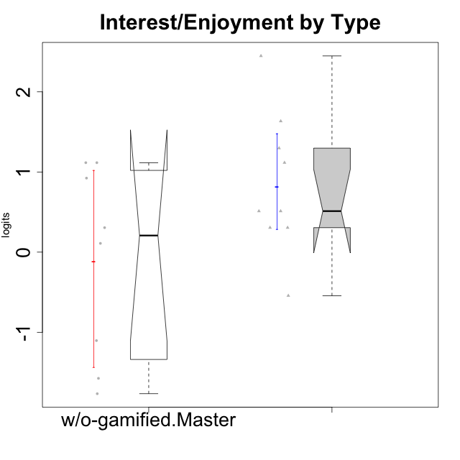

Wilcoxon data
UserID | NroUSP | Type | CLGroup | CLRole | PlayerRole | Score | theta | error | Outfit | Infit | Interest/Enjoyment
10171 | 698531 | ont-gamified | Mafia | Master | Social Achiever | 29 | 2.4477676325 | 0.43203702933 | 0.48340795532 | 0.4931757124 | 2.4477676325
10174 | 10276852 | w/o-gamified | Grupo7 | Master |  | 21 | 1.1160486233 | 0.42982658317 | 0.97203827738 | 0.97218675787 | 1.1160486233
10175 | 10310700 | ont-gamified | Warriors | Master | Social Achiever | 18 | 0.51184859303 | 0.44295816012 | 0.055510712096 | 0.057244223093 | 0.51184859303
10176 | 10276949 | ont-gamified | Outlaws | Master | Social Achiever | 17 | 0.30539635193 | 0.43734590661 | 0.10784919445 | 0.11130543727 | 0.30539635193
10179 | 10310759 | w/o-gamified | Grupo10 | Master |  | 16 | 0.1094723335 | 0.42735909669 | 1.8983624591 | 2.0060685699 | 0.1094723335
10188 | 10276995 | ont-gamified | Vandals | Master | Yee Achiever | 12 | -0.54344508478 | 0.38854590048 | 0.7550947197 | 0.78726035129 | -0.54344508478
10191 | 10276981 | w/o-gamified | Grupo1 | Master |  | 8 | -1.1036517025 | 0.39119496727 | 0.40003086411 | 0.3811349161 | -1.1036517025
10208 | 10276932 | ont-gamified | Mercenaries | Master | Social Achiever | 17 | 0.30539635193 | 0.43734590661 | 0.10784919445 | 0.11130543727 | 0.30539635193
10215 | 9285227 | ont-gamified | Vikings | Master | Social Achiever | 18 | 0.51184859303 | 0.44295816012 | 1.2190392223 | 1.2157732839 | 0.51184859303
10216 | 10276720 | ont-gamified | Silly Knights | Master | Social Achiever | 22 | 1.2974006096 | 0.42183420516 | 2.0586587633 | 1.9736328059 | 1.2974006096
10219 | 10276831 | w/o-gamified | Grupo3 | Master |  | 5 | -1.5744672385 | 0.43795085246 | 1.9355262289 | 1.7017890568 | -1.5744672385
10223 | 9795185 | ont-gamified | Slayers | Master | Social Achiever | 24 | 1.634244949 | 0.41025071602 | 0.1646960929 | 0.16226903634 | 1.634244949
10227 | 9274382 | w/o-gamified | Grupo5 | Master |  | 20 | 0.92364048531 | 0.437533609 | 1.1245867882 | 1.1288456194 | 0.92364048531
10230 | 10351992 | ont-gamified | Resistance | Master | Social Achiever | 21 | 1.1160486233 | 0.42982658317 | 0.1653865777 | 0.16329508419 | 1.1160486233
10231 | 10276911 | w/o-gamified | Grupo9 | Master |  | 21 | 1.1160486233 | 0.42982658317 | 0.93412384777 | 0.91260239264 | 1.1160486233
10234 | 10310676 | w/o-gamified | Grupo4 | Master |  | 4 | -1.7661895627 | 0.47026734229 | 0.22545603316 | 0.19329582891 | -1.7661895627
10238 | 10276953 | w/o-gamified | Grupo2 | Master |  | 17 | 0.30539635193 | 0.43734590661 | 0.10784919445 | 0.11130543727 | 0.30539635193

Type_CLRole_6
Wilcoxon Analysis for Interest/Enjoyment by Type in Type:CLRole between w/o-gamified.Apprentice:w/o-gamified.Master

Wilcoxon test results
Alternative hypothesis: less
Group | N | Median | Mean.Ranks | Sum.Ranks | U | Z | p.value | r | magnitude
w/o-gamified.Apprentice | 19 | 0.1094723335 | 14 | 266 | 76 | 0 | 0.50532617141 | 0 | none
w/o-gamified.Master | 8 | 0.20743434271 | 14 | 112 | 76 | 0 | 0.50532617141 | 0 | none
Alternative hypothesis: greater
Group | N | Median | Mean.Ranks | Sum.Ranks | U | Z | p.value | r | magnitude
w/o-gamified.Apprentice | 19 | 0.1094723335 | 14 | 266 | 76 | 0 | 0.50515185298 | 0 | none
w/o-gamified.Master | 8 | 0.20743434271 | 14 | 112 | 76 | 0 | 0.50515185298 | 0 | none
Alternative hypothesis: two.sided
Group | N | Median | Mean.Ranks | Sum.Ranks | U | Z | p.value | r | magnitude
w/o-gamified.Apprentice | 19 | 0.1094723335 | 14 | 266 | 76 | 0 | 1 | 0 | none
w/o-gamified.Master | 8 | 0.20743434271 | 14 | 112 | 76 | 0 | 1 | 0 | none

Box plots for wilcoxon tests
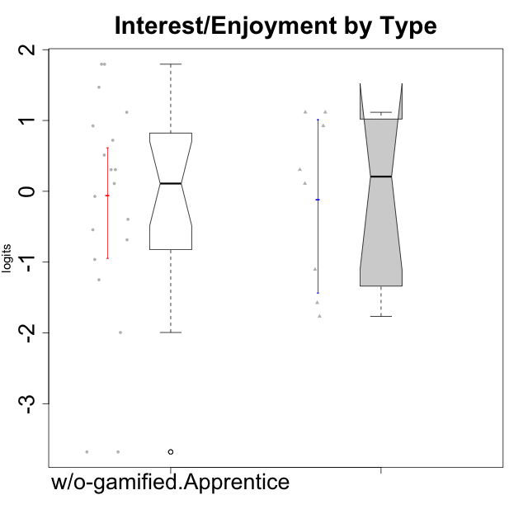

Wilcoxon data
UserID | NroUSP | Type | CLGroup | CLRole | PlayerRole | Score | theta | error | Outfit | Infit | Interest/Enjoyment
10170 | 10260351 | w/o-gamified | Grupo11 | Apprentice |  | 19 | 0.72072301776 | 0.44270997603 | 0.52119251155 | 0.54996733108 | 0.72072301776
10172 | 10273971 | w/o-gamified | Grupo5 | Apprentice |  | 25 | 1.7947392768 | 0.40797726808 | 0.43840236668 | 0.42144609015 | 1.7947392768
10174 | 10276852 | w/o-gamified | Grupo7 | Master |  | 21 | 1.1160486233 | 0.42982658317 | 0.97203827738 | 0.97218675787 | 1.1160486233
10179 | 10310759 | w/o-gamified | Grupo10 | Master |  | 16 | 0.1094723335 | 0.42735909669 | 1.8983624591 | 2.0060685699 | 0.1094723335
10181 | 10276866 | w/o-gamified | Grupo2 | Apprentice |  | 7 | -1.2497873738 | 0.4009724096 | 0.48160500749 | 0.48524544929 | -1.2497873738
10183 | 10352030 | w/o-gamified | Grupo3 | Apprentice |  | 11 | -0.68535465006 | 0.38453481265 | 0.20849807775 | 0.20917116319 | -0.68535465006
10184 | 10276675 | w/o-gamified | Grupo10 | Apprentice |  | 17 | 0.30539635193 | 0.43734590661 | 0.21230592906 | 0.21236142246 | 0.30539635193
10185 | 10276960 | w/o-gamified | Grupo9 | Apprentice |  | 23 | 1.4693286385 | 0.41503051351 | 1.0253824724 | 1.0370205811 | 1.4693286385
10190 | 10276907 | w/o-gamified | Grupo4 | Apprentice |  | 13 | -0.39586837009 | 0.39532091817 | 0.39775754489 | 0.39296743259 | -0.39586837009
10191 | 10276981 | w/o-gamified | Grupo1 | Master |  | 8 | -1.1036517025 | 0.39119496727 | 0.40003086411 | 0.3811349161 | -1.1036517025
10197 | 10276661 | w/o-gamified | Grupo8 | Apprentice |  | 15 | -0.072113283119 | 0.41568891232 | 1.6258155023 | 1.6255076911 | -0.072113283119
10199 | 10276737 | w/o-gamified | Grupo1 | Apprentice |  | 12 | -0.54344508478 | 0.38854590048 | 0.63920722855 | 0.66601195303 | -0.54344508478
10201 | 10276928 | w/o-gamified | Grupo11 | Apprentice |  | 25 | 1.7947392768 | 0.40797726808 | 1.1474185619 | 1.1632629231 | 1.7947392768
10204 | 10310471 | w/o-gamified | Grupo6 | Apprentice |  | 0 | -3.6806588995 | 1.3064690224 | 0.086815127259 | 0.095454339875 | -3.6806588995
10206 | 10310721 | w/o-gamified | Grupo8 | Apprentice |  | 16 | 0.1094723335 | 0.42735909669 | 0.78564416313 | 0.80049201896 | 0.1094723335
10210 | 10277015 | w/o-gamified | Grupo6 | Apprentice |  | 0 | -3.6806588995 | 1.3064690224 | 0.086815127259 | 0.095454339875 | -3.6806588995
10213 | 10277040 | w/o-gamified | Grupo7 | Apprentice |  | 17 | 0.30539635193 | 0.43734590661 | 3.4006406215 | 3.5348869878 | 0.30539635193
10217 | 9805341 | w/o-gamified | Grupo9 | Apprentice |  | 20 | 0.92364048531 | 0.437533609 | 0.48289281738 | 0.46990062105 | 0.92364048531
10218 | 9842913 | w/o-gamified | Grupo10 | Apprentice |  | 18 | 0.51184859303 | 0.44295816012 | 0.055510712096 | 0.057244223093 | 0.51184859303
10219 | 10276831 | w/o-gamified | Grupo3 | Master |  | 5 | -1.5744672385 | 0.43795085246 | 1.9355262289 | 1.7017890568 | -1.5744672385
10220 | 9760151 | w/o-gamified | Grupo3 | Apprentice |  | 9 | -0.96282466304 | 0.38556723592 | 1.536293527 | 1.5487583 | -0.96282466304
10226 | 10310342 | w/o-gamified | Grupo4 | Apprentice |  | 3 | -1.9940956984 | 0.51947381083 | 1.1128517913 | 1.4691231753 | -1.9940956984
10227 | 9274382 | w/o-gamified | Grupo5 | Master |  | 20 | 0.92364048531 | 0.437533609 | 1.1245867882 | 1.1288456194 | 0.92364048531
10231 | 10276911 | w/o-gamified | Grupo9 | Master |  | 21 | 1.1160486233 | 0.42982658317 | 0.93412384777 | 0.91260239264 | 1.1160486233
10232 | 10276974 | w/o-gamified | Grupo7 | Apprentice |  | 21 | 1.1160486233 | 0.42982658317 | 0.22748898809 | 0.22242988957 | 1.1160486233
10234 | 10310676 | w/o-gamified | Grupo4 | Master |  | 4 | -1.7661895627 | 0.47026734229 | 0.22545603316 | 0.19329582891 | -1.7661895627
10238 | 10276953 | w/o-gamified | Grupo2 | Master |  | 17 | 0.30539635193 | 0.43734590661 | 0.10784919445 | 0.11130543727 | 0.30539635193

