Type_1
Wilcoxon Analysis for Intrinsic Motivation by Type in Type between ont-gamified:w/o-gamified

Wilcoxon test results
Alternative hypothesis: less
Group | N | Median | Mean.Ranks | Sum.Ranks | U | Z | p.value | r | magnitude
ont-gamified | 24 | 0.27576814401 | 30.5 | 732 | 432 | 2.0380986615 | 0.98006903513 | 0.28539089649 | small
w/o-gamified | 27 | -0.0836606047 | 22 | 594 | 432 | 2.0380986615 | 0.98006903513 | 0.28539089649 | small
Alternative hypothesis: greater
Group | N | Median | Mean.Ranks | Sum.Ranks | U | Z | p.value | r | magnitude
ont-gamified | 24 | 0.27576814401 | 30.5 | 732 | 432 | 2.0380986615 | 0.020888218693 | 0.28539089649 | small
w/o-gamified | 27 | -0.0836606047 | 22 | 594 | 432 | 2.0380986615 | 0.020888218693 | 0.28539089649 | small
Alternative hypothesis: two.sided
Group | N | Median | Mean.Ranks | Sum.Ranks | U | Z | p.value | r | magnitude
ont-gamified | 24 | 0.27576814401 | 30.5 | 732 | 432 | 2.0380986615 | 0.041776437385 | 0.28539089649 | small
w/o-gamified | 27 | -0.0836606047 | 22 | 594 | 432 | 2.0380986615 | 0.041776437385 | 0.28539089649 | small

Box plots for wilcoxon tests
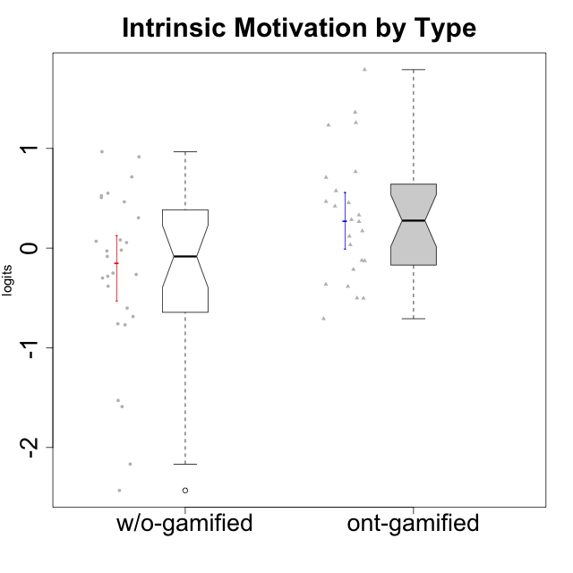

Wilcoxon data
UserID | NroUSP | Type | CLGroup | CLRole | PlayerRole | Score | theta | error | Outfit | Infit | Intrinsic Motivation
10169 | 10377538 | ont-gamified | Resistance | Apprentice | Social Achiever | 71 | 0.70848988959 | 0.16312378928 | 2.9346121496 | 2.7935791748 | 0.70848988959
10170 | 10260351 | w/o-gamified | Grupo11 | Apprentice |  | 72 | 0.52547557682 | 0.16383079363 | 0.87049719106 | 0.87465625769 | 0.52547557682
10171 | 698531 | ont-gamified | Mafia | Master | Social Achiever | 94 | 1.7898541848 | 0.21920406147 | 0.25558769415 | 0.23722623262 | 1.7898541848
10172 | 10273971 | w/o-gamified | Grupo5 | Apprentice |  | 52 | -0.29977763144 | 0.16075642787 | 1.2815486949 | 1.2672979709 | -0.29977763144
10174 | 10276852 | w/o-gamified | Grupo7 | Master |  | 58 | 0.055929297679 | 0.15957641413 | 0.77026697063 | 0.75306788906 | 0.055929297679
10175 | 10310700 | ont-gamified | Warriors | Master | Social Achiever | 85 | 1.362635261 | 0.1828148888 | 0.69956777872 | 0.70178239684 | 1.362635261
10176 | 10276949 | ont-gamified | Outlaws | Master | Social Achiever | 47 | -0.5032931597 | 0.16294485418 | 0.43926930154 | 0.43951670683 | -0.5032931597
10179 | 10310759 | w/o-gamified | Grupo10 | Master |  | 63 | 0.30411727392 | 0.15985139808 | 1.246489522 | 1.2636611496 | 0.30411727392
10181 | 10276866 | w/o-gamified | Grupo2 | Apprentice |  | 43 | -0.75941738424 | 0.16552056899 | 0.86982508127 | 0.90650916289 | -0.75941738424
10183 | 10352030 | w/o-gamified | Grupo3 | Apprentice |  | 45 | -0.60159759109 | 0.16413660383 | 0.49190770659 | 0.50056221254 | -0.60159759109
10184 | 10276675 | w/o-gamified | Grupo10 | Apprentice |  | 53 | -0.26428279884 | 0.16045024942 | 0.26869330724 | 0.26539873052 | -0.26428279884
10185 | 10276960 | w/o-gamified | Grupo9 | Apprentice |  | 56 | -0.020288465547 | 0.15979325058 | 0.99224331246 | 0.98119851879 | -0.020288465547
10186 | 10310551 | ont-gamified | Slayers | Apprentice | Social Achiever | 61 | 0.46699961822 | 0.15959604618 | 1.3255691825 | 1.3288209442 | 0.46699961822
10188 | 10276995 | ont-gamified | Vandals | Master | Yee Achiever | 74 | 0.76644358571 | 0.16548584469 | 0.96732762649 | 1.0057654734 | 0.76644358571
10189 | 9363926 | ont-gamified | Vikings | Apprentice | Social Achiever | 52 | -0.2140464599 | 0.16075642787 | 0.80781564981 | 0.79662448126 | -0.2140464599
10190 | 10276907 | w/o-gamified | Grupo4 | Apprentice |  | 42 | -0.68611540292 | 0.16628829695 | 0.59452075854 | 0.59299546384 | -0.68611540292
10191 | 10276981 | w/o-gamified | Grupo1 | Master |  | 54 | -0.027942256383 | 0.16018754295 | 0.95216977844 | 0.96395824537 | -0.027942256383
10192 | 10276682 | ont-gamified | Attractive Devils | Apprentice | Social Achiever | 62 | 0.266054495 | 0.1596986164 | 1.0187378837 | 1.0050487803 | 0.266054495
10193 | 10276762 | ont-gamified | Vandals | Apprentice | Yee Achiever | 61 | 0.42130658535 | 0.15959604618 | 2.4060433938 | 2.4449282002 | 0.42130658535
10197 | 10276661 | w/o-gamified | Grupo8 | Apprentice |  | 60 | 0.068827077609 | 0.15954227735 | 0.58268436271 | 0.5838230378 | 0.068827077609
10198 | 10310888 | ont-gamified | Attractive Devils | Apprentice | Social Achiever | 56 | 0.033619199488 | 0.15979325058 | 1.0878086723 | 1.0794889356 | 0.033619199488
10199 | 10276737 | w/o-gamified | Grupo1 | Apprentice |  | 50 | -0.3816031525 | 0.16149937016 | 0.41101005839 | 0.39993215519 | -0.3816031525
10200 | 9795272 | ont-gamified | Warriors | Apprentice | Social Achiever | 66 | 0.57480124298 | 0.16062816192 | 0.90239948695 | 0.86880961204 | 0.57480124298
10201 | 10276928 | w/o-gamified | Grupo11 | Apprentice |  | 69 | 0.50714196371 | 0.16192845421 | 0.56146775456 | 0.56765861301 | 0.50714196371
10202 | 10277036 | ont-gamified | Silly Knights | Apprentice | Social Achiever | 61 | 0.17238368376 | 0.15959604618 | 0.36868738834 | 0.38168220867 | 0.17238368376
10203 | 9921470 | ont-gamified | Mercenaries | Apprentice | Social Achiever | 79 | 1.2333333354 | 0.17130891423 | 1.1828208663 | 1.0720463283 | 1.2333333354
10204 | 10310471 | w/o-gamified | Grupo6 | Apprentice |  | 20 | -2.1666337155 | 0.20531649824 | 1.1015063437 | 1.2720327847 | -2.1666337155
10206 | 10310721 | w/o-gamified | Grupo8 | Apprentice |  | 69 | 0.46399257134 | 0.16192845421 | 0.2671023788 | 0.27860317329 | 0.46399257134
10208 | 10276932 | ont-gamified | Mercenaries | Master | Social Achiever | 69 | 0.45522696151 | 0.16192845421 | 0.12589260796 | 0.1297881958 | 0.45522696151
10209 | 10262669 | ont-gamified | Mafia | Apprentice | Social Achiever | 44 | -0.70839376496 | 0.16480388462 | 1.596568538 | 1.6444199462 | -0.70839376496
10210 | 10277015 | w/o-gamified | Grupo6 | Apprentice |  | 26 | -1.5901494008 | 0.18831297648 | 1.9367032693 | 2.1403079288 | -1.5901494008
10213 | 10277040 | w/o-gamified | Grupo7 | Apprentice |  | 50 | -0.0836606047 | 0.16149937016 | 2.0945664374 | 2.0747275104 | -0.0836606047
10214 | 10277022 | ont-gamified | Vikings | Apprentice | Social Achiever | 39 | -0.50051659316 | 0.16891818651 | 1.8514152307 | 1.920219013 | -0.50051659316
10215 | 9285227 | ont-gamified | Vikings | Master | Social Achiever | 68 | 0.33189570146 | 0.161432546 | 1.3051507118 | 1.3194120079 | 0.33189570146
10216 | 10276720 | ont-gamified | Silly Knights | Master | Social Achiever | 84 | 1.2585432091 | 0.18044111572 | 0.66925069974 | 0.7172617576 | 1.2585432091
10217 | 9805341 | w/o-gamified | Grupo9 | Apprentice |  | 69 | 0.5508430234 | 0.16192845421 | 0.74942481516 | 0.72940199447 | 0.5508430234
10218 | 9842913 | w/o-gamified | Grupo10 | Apprentice |  | 52 | -0.25050457155 | 0.16075642787 | 0.36105042489 | 0.35849234631 | -0.25050457155
10219 | 10276831 | w/o-gamified | Grupo3 | Master |  | 44 | -0.76978801042 | 0.16480388462 | 2.2225091483 | 2.2815316222 | -0.76978801042
10220 | 9760151 | w/o-gamified | Grupo3 | Apprentice |  | 75 | 0.91584128946 | 0.16644445962 | 1.5392646782 | 1.6405704924 | 0.91584128946
10221 | 9082496 | ont-gamified | Warriors | Apprentice | Social Achiever | 48 | -0.36354468922 | 0.16241821094 | 0.5390866841 | 0.5542517194 | -0.36354468922
10223 | 9795185 | ont-gamified | Slayers | Master | Social Achiever | 64 | 0.28548179301 | 0.16005599838 | 0.57381144328 | 0.54637136569 | 0.28548179301
10224 | 9368772 | ont-gamified | Mercenaries | Apprentice | Social Achiever | 49 | -0.38480817712 | 0.16193659189 | 0.45594479909 | 0.45593648978 | -0.38480817712
10226 | 10310342 | w/o-gamified | Grupo4 | Apprentice |  | 15 | -2.4305477967 | 0.2284068817 | 0.62517243511 | 0.56114206622 | -2.4305477967
10227 | 9274382 | w/o-gamified | Grupo5 | Master |  | 60 | 0.082073613185 | 0.15954227735 | 0.64308140929 | 0.61449253454 | 0.082073613185
10228 | 10310492 | ont-gamified | Resistance | Apprentice | Social Achiever | 55 | -0.12322144433 | 0.15996844843 | 1.9403153122 | 1.9378609904 | -0.12322144433
10230 | 10351992 | ont-gamified | Resistance | Master | Social Achiever | 59 | 0.11834231828 | 0.15953608411 | 0.66006746391 | 0.66795730139 | 0.11834231828
10231 | 10276911 | w/o-gamified | Grupo9 | Master |  | 80 | 0.9668119984 | 0.17282498115 | 1.1792455569 | 1.0835730801 | 0.9668119984
10232 | 10276974 | w/o-gamified | Grupo7 | Apprentice |  | 72 | 0.71447546835 | 0.16383079363 | 0.28940559162 | 0.28095621728 | 0.71447546835
10234 | 10310676 | w/o-gamified | Grupo4 | Master |  | 31 | -1.5282276038 | 0.17889750866 | 1.3335503063 | 1.4075726737 | -1.5282276038
10237 | 10377688 | ont-gamified | Outlaws | Apprentice | Social Achiever | 54 | -0.12751616486 | 0.16018754295 | 0.69843931279 | 0.68932457211 | -0.12751616486
10238 | 10276953 | w/o-gamified | Grupo2 | Master |  | 49 | -0.28233709651 | 0.16193659189 | 0.66579532456 | 0.672968861 | -0.28233709651

Type_CLRole_1
Wilcoxon Analysis for Intrinsic Motivation by Type in Type:CLRole between ont-gamified.Apprentice:ont-gamified.Master

Wilcoxon test results
Alternative hypothesis: less
Group | N | Median | Mean.Ranks | Sum.Ranks | U | Z | p.value | r | magnitude
ont-gamified.Apprentice | 15 | 0.033619199488 | 10.4 | 156 | 36 | -1.8782971011 | 0.03183929074 | 0.38340579025 | medium
ont-gamified.Master | 9 | 0.45522696151 | 16 | 144 | 36 | -1.8782971011 | 0.03183929074 | 0.38340579025 | medium
Alternative hypothesis: greater
Group | N | Median | Mean.Ranks | Sum.Ranks | U | Z | p.value | r | magnitude
ont-gamified.Apprentice | 15 | 0.033619199488 | 10.4 | 156 | 36 | -1.8782971011 | 0.97241844002 | 0.38340579025 | medium
ont-gamified.Master | 9 | 0.45522696151 | 16 | 144 | 36 | -1.8782971011 | 0.97241844002 | 0.38340579025 | medium
Alternative hypothesis: two.sided
Group | N | Median | Mean.Ranks | Sum.Ranks | U | Z | p.value | r | magnitude
ont-gamified.Apprentice | 15 | 0.033619199488 | 10.4 | 156 | 36 | -1.8782971011 | 0.06367858148 | 0.38340579025 | medium
ont-gamified.Master | 9 | 0.45522696151 | 16 | 144 | 36 | -1.8782971011 | 0.06367858148 | 0.38340579025 | medium

Box plots for wilcoxon tests
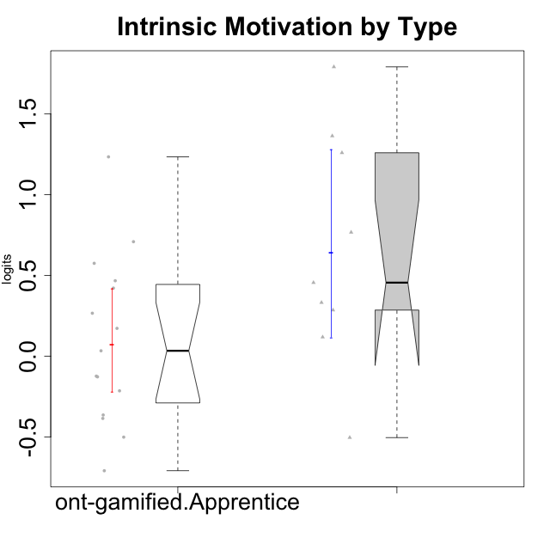

Wilcoxon data
UserID | NroUSP | Type | CLGroup | CLRole | PlayerRole | Score | theta | error | Outfit | Infit | Intrinsic Motivation
10169 | 10377538 | ont-gamified | Resistance | Apprentice | Social Achiever | 71 | 0.70848988959 | 0.16312378928 | 2.9346121496 | 2.7935791748 | 0.70848988959
10171 | 698531 | ont-gamified | Mafia | Master | Social Achiever | 94 | 1.7898541848 | 0.21920406147 | 0.25558769415 | 0.23722623262 | 1.7898541848
10175 | 10310700 | ont-gamified | Warriors | Master | Social Achiever | 85 | 1.362635261 | 0.1828148888 | 0.69956777872 | 0.70178239684 | 1.362635261
10176 | 10276949 | ont-gamified | Outlaws | Master | Social Achiever | 47 | -0.5032931597 | 0.16294485418 | 0.43926930154 | 0.43951670683 | -0.5032931597
10186 | 10310551 | ont-gamified | Slayers | Apprentice | Social Achiever | 61 | 0.46699961822 | 0.15959604618 | 1.3255691825 | 1.3288209442 | 0.46699961822
10188 | 10276995 | ont-gamified | Vandals | Master | Yee Achiever | 74 | 0.76644358571 | 0.16548584469 | 0.96732762649 | 1.0057654734 | 0.76644358571
10189 | 9363926 | ont-gamified | Vikings | Apprentice | Social Achiever | 52 | -0.2140464599 | 0.16075642787 | 0.80781564981 | 0.79662448126 | -0.2140464599
10192 | 10276682 | ont-gamified | Attractive Devils | Apprentice | Social Achiever | 62 | 0.266054495 | 0.1596986164 | 1.0187378837 | 1.0050487803 | 0.266054495
10193 | 10276762 | ont-gamified | Vandals | Apprentice | Yee Achiever | 61 | 0.42130658535 | 0.15959604618 | 2.4060433938 | 2.4449282002 | 0.42130658535
10198 | 10310888 | ont-gamified | Attractive Devils | Apprentice | Social Achiever | 56 | 0.033619199488 | 0.15979325058 | 1.0878086723 | 1.0794889356 | 0.033619199488
10200 | 9795272 | ont-gamified | Warriors | Apprentice | Social Achiever | 66 | 0.57480124298 | 0.16062816192 | 0.90239948695 | 0.86880961204 | 0.57480124298
10202 | 10277036 | ont-gamified | Silly Knights | Apprentice | Social Achiever | 61 | 0.17238368376 | 0.15959604618 | 0.36868738834 | 0.38168220867 | 0.17238368376
10203 | 9921470 | ont-gamified | Mercenaries | Apprentice | Social Achiever | 79 | 1.2333333354 | 0.17130891423 | 1.1828208663 | 1.0720463283 | 1.2333333354
10208 | 10276932 | ont-gamified | Mercenaries | Master | Social Achiever | 69 | 0.45522696151 | 0.16192845421 | 0.12589260796 | 0.1297881958 | 0.45522696151
10209 | 10262669 | ont-gamified | Mafia | Apprentice | Social Achiever | 44 | -0.70839376496 | 0.16480388462 | 1.596568538 | 1.6444199462 | -0.70839376496
10214 | 10277022 | ont-gamified | Vikings | Apprentice | Social Achiever | 39 | -0.50051659316 | 0.16891818651 | 1.8514152307 | 1.920219013 | -0.50051659316
10215 | 9285227 | ont-gamified | Vikings | Master | Social Achiever | 68 | 0.33189570146 | 0.161432546 | 1.3051507118 | 1.3194120079 | 0.33189570146
10216 | 10276720 | ont-gamified | Silly Knights | Master | Social Achiever | 84 | 1.2585432091 | 0.18044111572 | 0.66925069974 | 0.7172617576 | 1.2585432091
10221 | 9082496 | ont-gamified | Warriors | Apprentice | Social Achiever | 48 | -0.36354468922 | 0.16241821094 | 0.5390866841 | 0.5542517194 | -0.36354468922
10223 | 9795185 | ont-gamified | Slayers | Master | Social Achiever | 64 | 0.28548179301 | 0.16005599838 | 0.57381144328 | 0.54637136569 | 0.28548179301
10224 | 9368772 | ont-gamified | Mercenaries | Apprentice | Social Achiever | 49 | -0.38480817712 | 0.16193659189 | 0.45594479909 | 0.45593648978 | -0.38480817712
10228 | 10310492 | ont-gamified | Resistance | Apprentice | Social Achiever | 55 | -0.12322144433 | 0.15996844843 | 1.9403153122 | 1.9378609904 | -0.12322144433
10230 | 10351992 | ont-gamified | Resistance | Master | Social Achiever | 59 | 0.11834231828 | 0.15953608411 | 0.66006746391 | 0.66795730139 | 0.11834231828
10237 | 10377688 | ont-gamified | Outlaws | Apprentice | Social Achiever | 54 | -0.12751616486 | 0.16018754295 | 0.69843931279 | 0.68932457211 | -0.12751616486

Type_CLRole_2
Wilcoxon Analysis for Intrinsic Motivation by Type in Type:CLRole between ont-gamified.Apprentice:w/o-gamified.Apprentice

Wilcoxon test results
Alternative hypothesis: less
Group | N | Median | Mean.Ranks | Sum.Ranks | U | Z | p.value | r | magnitude
ont-gamified.Apprentice | 15 | 0.033619199488 | 19.4 | 291 | 171 | 0.98850536526 | 0.84051939336 | 0.16952727155 | small
w/o-gamified.Apprentice | 19 | -0.25050457155 | 16 | 304 | 171 | 0.98850536526 | 0.84051939336 | 0.16952727155 | small
Alternative hypothesis: greater
Group | N | Median | Mean.Ranks | Sum.Ranks | U | Z | p.value | r | magnitude
ont-gamified.Apprentice | 15 | 0.033619199488 | 19.4 | 291 | 171 | 0.98850536526 | 0.16804195313 | 0.16952727155 | small
w/o-gamified.Apprentice | 19 | -0.25050457155 | 16 | 304 | 171 | 0.98850536526 | 0.16804195313 | 0.16952727155 | small
Alternative hypothesis: two.sided
Group | N | Median | Mean.Ranks | Sum.Ranks | U | Z | p.value | r | magnitude
ont-gamified.Apprentice | 15 | 0.033619199488 | 19.4 | 291 | 171 | 0.98850536526 | 0.33608390625 | 0.16952727155 | small
w/o-gamified.Apprentice | 19 | -0.25050457155 | 16 | 304 | 171 | 0.98850536526 | 0.33608390625 | 0.16952727155 | small

Box plots for wilcoxon tests
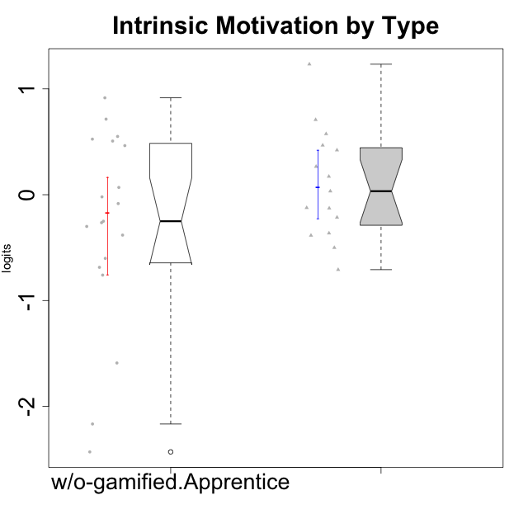

Wilcoxon data
UserID | NroUSP | Type | CLGroup | CLRole | PlayerRole | Score | theta | error | Outfit | Infit | Intrinsic Motivation
10169 | 10377538 | ont-gamified | Resistance | Apprentice | Social Achiever | 71 | 0.70848988959 | 0.16312378928 | 2.9346121496 | 2.7935791748 | 0.70848988959
10170 | 10260351 | w/o-gamified | Grupo11 | Apprentice |  | 72 | 0.52547557682 | 0.16383079363 | 0.87049719106 | 0.87465625769 | 0.52547557682
10172 | 10273971 | w/o-gamified | Grupo5 | Apprentice |  | 52 | -0.29977763144 | 0.16075642787 | 1.2815486949 | 1.2672979709 | -0.29977763144
10181 | 10276866 | w/o-gamified | Grupo2 | Apprentice |  | 43 | -0.75941738424 | 0.16552056899 | 0.86982508127 | 0.90650916289 | -0.75941738424
10183 | 10352030 | w/o-gamified | Grupo3 | Apprentice |  | 45 | -0.60159759109 | 0.16413660383 | 0.49190770659 | 0.50056221254 | -0.60159759109
10184 | 10276675 | w/o-gamified | Grupo10 | Apprentice |  | 53 | -0.26428279884 | 0.16045024942 | 0.26869330724 | 0.26539873052 | -0.26428279884
10185 | 10276960 | w/o-gamified | Grupo9 | Apprentice |  | 56 | -0.020288465547 | 0.15979325058 | 0.99224331246 | 0.98119851879 | -0.020288465547
10186 | 10310551 | ont-gamified | Slayers | Apprentice | Social Achiever | 61 | 0.46699961822 | 0.15959604618 | 1.3255691825 | 1.3288209442 | 0.46699961822
10189 | 9363926 | ont-gamified | Vikings | Apprentice | Social Achiever | 52 | -0.2140464599 | 0.16075642787 | 0.80781564981 | 0.79662448126 | -0.2140464599
10190 | 10276907 | w/o-gamified | Grupo4 | Apprentice |  | 42 | -0.68611540292 | 0.16628829695 | 0.59452075854 | 0.59299546384 | -0.68611540292
10192 | 10276682 | ont-gamified | Attractive Devils | Apprentice | Social Achiever | 62 | 0.266054495 | 0.1596986164 | 1.0187378837 | 1.0050487803 | 0.266054495
10193 | 10276762 | ont-gamified | Vandals | Apprentice | Yee Achiever | 61 | 0.42130658535 | 0.15959604618 | 2.4060433938 | 2.4449282002 | 0.42130658535
10197 | 10276661 | w/o-gamified | Grupo8 | Apprentice |  | 60 | 0.068827077609 | 0.15954227735 | 0.58268436271 | 0.5838230378 | 0.068827077609
10198 | 10310888 | ont-gamified | Attractive Devils | Apprentice | Social Achiever | 56 | 0.033619199488 | 0.15979325058 | 1.0878086723 | 1.0794889356 | 0.033619199488
10199 | 10276737 | w/o-gamified | Grupo1 | Apprentice |  | 50 | -0.3816031525 | 0.16149937016 | 0.41101005839 | 0.39993215519 | -0.3816031525
10200 | 9795272 | ont-gamified | Warriors | Apprentice | Social Achiever | 66 | 0.57480124298 | 0.16062816192 | 0.90239948695 | 0.86880961204 | 0.57480124298
10201 | 10276928 | w/o-gamified | Grupo11 | Apprentice |  | 69 | 0.50714196371 | 0.16192845421 | 0.56146775456 | 0.56765861301 | 0.50714196371
10202 | 10277036 | ont-gamified | Silly Knights | Apprentice | Social Achiever | 61 | 0.17238368376 | 0.15959604618 | 0.36868738834 | 0.38168220867 | 0.17238368376
10203 | 9921470 | ont-gamified | Mercenaries | Apprentice | Social Achiever | 79 | 1.2333333354 | 0.17130891423 | 1.1828208663 | 1.0720463283 | 1.2333333354
10204 | 10310471 | w/o-gamified | Grupo6 | Apprentice |  | 20 | -2.1666337155 | 0.20531649824 | 1.1015063437 | 1.2720327847 | -2.1666337155
10206 | 10310721 | w/o-gamified | Grupo8 | Apprentice |  | 69 | 0.46399257134 | 0.16192845421 | 0.2671023788 | 0.27860317329 | 0.46399257134
10209 | 10262669 | ont-gamified | Mafia | Apprentice | Social Achiever | 44 | -0.70839376496 | 0.16480388462 | 1.596568538 | 1.6444199462 | -0.70839376496
10210 | 10277015 | w/o-gamified | Grupo6 | Apprentice |  | 26 | -1.5901494008 | 0.18831297648 | 1.9367032693 | 2.1403079288 | -1.5901494008
10213 | 10277040 | w/o-gamified | Grupo7 | Apprentice |  | 50 | -0.0836606047 | 0.16149937016 | 2.0945664374 | 2.0747275104 | -0.0836606047
10214 | 10277022 | ont-gamified | Vikings | Apprentice | Social Achiever | 39 | -0.50051659316 | 0.16891818651 | 1.8514152307 | 1.920219013 | -0.50051659316
10217 | 9805341 | w/o-gamified | Grupo9 | Apprentice |  | 69 | 0.5508430234 | 0.16192845421 | 0.74942481516 | 0.72940199447 | 0.5508430234
10218 | 9842913 | w/o-gamified | Grupo10 | Apprentice |  | 52 | -0.25050457155 | 0.16075642787 | 0.36105042489 | 0.35849234631 | -0.25050457155
10220 | 9760151 | w/o-gamified | Grupo3 | Apprentice |  | 75 | 0.91584128946 | 0.16644445962 | 1.5392646782 | 1.6405704924 | 0.91584128946
10221 | 9082496 | ont-gamified | Warriors | Apprentice | Social Achiever | 48 | -0.36354468922 | 0.16241821094 | 0.5390866841 | 0.5542517194 | -0.36354468922
10224 | 9368772 | ont-gamified | Mercenaries | Apprentice | Social Achiever | 49 | -0.38480817712 | 0.16193659189 | 0.45594479909 | 0.45593648978 | -0.38480817712
10226 | 10310342 | w/o-gamified | Grupo4 | Apprentice |  | 15 | -2.4305477967 | 0.2284068817 | 0.62517243511 | 0.56114206622 | -2.4305477967
10228 | 10310492 | ont-gamified | Resistance | Apprentice | Social Achiever | 55 | -0.12322144433 | 0.15996844843 | 1.9403153122 | 1.9378609904 | -0.12322144433
10232 | 10276974 | w/o-gamified | Grupo7 | Apprentice |  | 72 | 0.71447546835 | 0.16383079363 | 0.28940559162 | 0.28095621728 | 0.71447546835
10237 | 10377688 | ont-gamified | Outlaws | Apprentice | Social Achiever | 54 | -0.12751616486 | 0.16018754295 | 0.69843931279 | 0.68932457211 | -0.12751616486

Type_CLRole_3
Wilcoxon Analysis for Intrinsic Motivation by Type in Type:CLRole between ont-gamified.Apprentice:w/o-gamified.Master

Wilcoxon test results
Alternative hypothesis: less
Group | N | Median | Mean.Ranks | Sum.Ranks | U | Z | p.value | r | magnitude
ont-gamified.Apprentice | 15 | 0.033619199488 | 12.6 | 189 | 69 | 0.58094750193 | 0.72607145625 | 0.12113592796 | small
w/o-gamified.Master | 8 | 0.013993520648 | 10.875 | 87 | 69 | 0.58094750193 | 0.72607145625 | 0.12113592796 | small
Alternative hypothesis: greater
Group | N | Median | Mean.Ranks | Sum.Ranks | U | Z | p.value | r | magnitude
ont-gamified.Apprentice | 15 | 0.033619199488 | 12.6 | 189 | 69 | 0.58094750193 | 0.29547799981 | 0.12113592796 | small
w/o-gamified.Master | 8 | 0.013993520648 | 10.875 | 87 | 69 | 0.58094750193 | 0.29547799981 | 0.12113592796 | small
Alternative hypothesis: two.sided
Group | N | Median | Mean.Ranks | Sum.Ranks | U | Z | p.value | r | magnitude
ont-gamified.Apprentice | 15 | 0.033619199488 | 12.6 | 189 | 69 | 0.58094750193 | 0.59095599962 | 0.12113592796 | small
w/o-gamified.Master | 8 | 0.013993520648 | 10.875 | 87 | 69 | 0.58094750193 | 0.59095599962 | 0.12113592796 | small

Box plots for wilcoxon tests
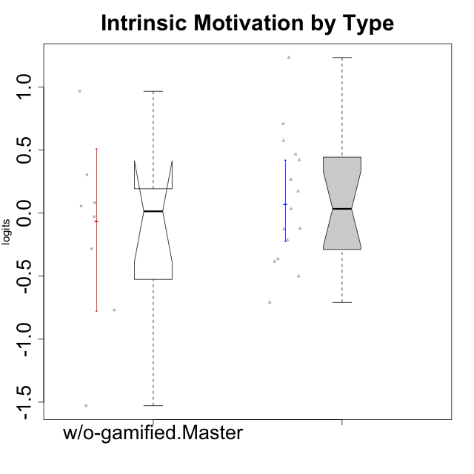

Wilcoxon data
UserID | NroUSP | Type | CLGroup | CLRole | PlayerRole | Score | theta | error | Outfit | Infit | Intrinsic Motivation
10169 | 10377538 | ont-gamified | Resistance | Apprentice | Social Achiever | 71 | 0.70848988959 | 0.16312378928 | 2.9346121496 | 2.7935791748 | 0.70848988959
10174 | 10276852 | w/o-gamified | Grupo7 | Master |  | 58 | 0.055929297679 | 0.15957641413 | 0.77026697063 | 0.75306788906 | 0.055929297679
10179 | 10310759 | w/o-gamified | Grupo10 | Master |  | 63 | 0.30411727392 | 0.15985139808 | 1.246489522 | 1.2636611496 | 0.30411727392
10186 | 10310551 | ont-gamified | Slayers | Apprentice | Social Achiever | 61 | 0.46699961822 | 0.15959604618 | 1.3255691825 | 1.3288209442 | 0.46699961822
10189 | 9363926 | ont-gamified | Vikings | Apprentice | Social Achiever | 52 | -0.2140464599 | 0.16075642787 | 0.80781564981 | 0.79662448126 | -0.2140464599
10191 | 10276981 | w/o-gamified | Grupo1 | Master |  | 54 | -0.027942256383 | 0.16018754295 | 0.95216977844 | 0.96395824537 | -0.027942256383
10192 | 10276682 | ont-gamified | Attractive Devils | Apprentice | Social Achiever | 62 | 0.266054495 | 0.1596986164 | 1.0187378837 | 1.0050487803 | 0.266054495
10193 | 10276762 | ont-gamified | Vandals | Apprentice | Yee Achiever | 61 | 0.42130658535 | 0.15959604618 | 2.4060433938 | 2.4449282002 | 0.42130658535
10198 | 10310888 | ont-gamified | Attractive Devils | Apprentice | Social Achiever | 56 | 0.033619199488 | 0.15979325058 | 1.0878086723 | 1.0794889356 | 0.033619199488
10200 | 9795272 | ont-gamified | Warriors | Apprentice | Social Achiever | 66 | 0.57480124298 | 0.16062816192 | 0.90239948695 | 0.86880961204 | 0.57480124298
10202 | 10277036 | ont-gamified | Silly Knights | Apprentice | Social Achiever | 61 | 0.17238368376 | 0.15959604618 | 0.36868738834 | 0.38168220867 | 0.17238368376
10203 | 9921470 | ont-gamified | Mercenaries | Apprentice | Social Achiever | 79 | 1.2333333354 | 0.17130891423 | 1.1828208663 | 1.0720463283 | 1.2333333354
10209 | 10262669 | ont-gamified | Mafia | Apprentice | Social Achiever | 44 | -0.70839376496 | 0.16480388462 | 1.596568538 | 1.6444199462 | -0.70839376496
10214 | 10277022 | ont-gamified | Vikings | Apprentice | Social Achiever | 39 | -0.50051659316 | 0.16891818651 | 1.8514152307 | 1.920219013 | -0.50051659316
10219 | 10276831 | w/o-gamified | Grupo3 | Master |  | 44 | -0.76978801042 | 0.16480388462 | 2.2225091483 | 2.2815316222 | -0.76978801042
10221 | 9082496 | ont-gamified | Warriors | Apprentice | Social Achiever | 48 | -0.36354468922 | 0.16241821094 | 0.5390866841 | 0.5542517194 | -0.36354468922
10224 | 9368772 | ont-gamified | Mercenaries | Apprentice | Social Achiever | 49 | -0.38480817712 | 0.16193659189 | 0.45594479909 | 0.45593648978 | -0.38480817712
10227 | 9274382 | w/o-gamified | Grupo5 | Master |  | 60 | 0.082073613185 | 0.15954227735 | 0.64308140929 | 0.61449253454 | 0.082073613185
10228 | 10310492 | ont-gamified | Resistance | Apprentice | Social Achiever | 55 | -0.12322144433 | 0.15996844843 | 1.9403153122 | 1.9378609904 | -0.12322144433
10231 | 10276911 | w/o-gamified | Grupo9 | Master |  | 80 | 0.9668119984 | 0.17282498115 | 1.1792455569 | 1.0835730801 | 0.9668119984
10234 | 10310676 | w/o-gamified | Grupo4 | Master |  | 31 | -1.5282276038 | 0.17889750866 | 1.3335503063 | 1.4075726737 | -1.5282276038
10237 | 10377688 | ont-gamified | Outlaws | Apprentice | Social Achiever | 54 | -0.12751616486 | 0.16018754295 | 0.69843931279 | 0.68932457211 | -0.12751616486
10238 | 10276953 | w/o-gamified | Grupo2 | Master |  | 49 | -0.28233709651 | 0.16193659189 | 0.66579532456 | 0.672968861 | -0.28233709651

Type_CLRole_4
Wilcoxon Analysis for Intrinsic Motivation by Type in Type:CLRole between ont-gamified.Master:w/o-gamified.Apprentice

Wilcoxon test results
Alternative hypothesis: less
Group | N | Median | Mean.Ranks | Sum.Ranks | U | Z | p.value | r | magnitude
ont-gamified.Master | 9 | 0.45522696151 | 19.777777778 | 178 | 133 | 2.3366150977 | 0.99196253022 | 0.44157874702 | medium
w/o-gamified.Apprentice | 19 | -0.25050457155 | 12 | 228 | 133 | 2.3366150977 | 0.99196253022 | 0.44157874702 | medium
Alternative hypothesis: greater
Group | N | Median | Mean.Ranks | Sum.Ranks | U | Z | p.value | r | magnitude
ont-gamified.Master | 9 | 0.45522696151 | 19.777777778 | 178 | 133 | 2.3366150977 | 0.0093177836656 | 0.44157874702 | medium
w/o-gamified.Apprentice | 19 | -0.25050457155 | 12 | 228 | 133 | 2.3366150977 | 0.0093177836656 | 0.44157874702 | medium
Alternative hypothesis: two.sided
Group | N | Median | Mean.Ranks | Sum.Ranks | U | Z | p.value | r | magnitude
ont-gamified.Master | 9 | 0.45522696151 | 19.777777778 | 178 | 133 | 2.3366150977 | 0.018635567331 | 0.44157874702 | medium
w/o-gamified.Apprentice | 19 | -0.25050457155 | 12 | 228 | 133 | 2.3366150977 | 0.018635567331 | 0.44157874702 | medium

Box plots for wilcoxon tests
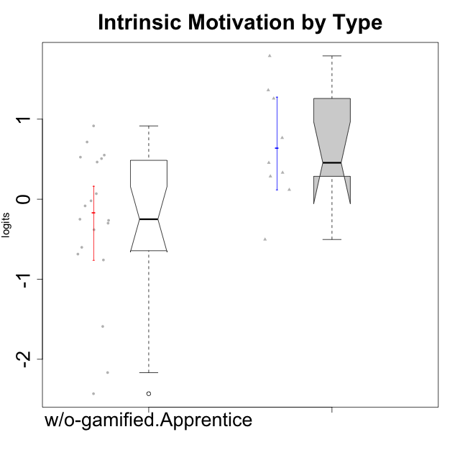

Wilcoxon data
UserID | NroUSP | Type | CLGroup | CLRole | PlayerRole | Score | theta | error | Outfit | Infit | Intrinsic Motivation
10170 | 10260351 | w/o-gamified | Grupo11 | Apprentice |  | 72 | 0.52547557682 | 0.16383079363 | 0.87049719106 | 0.87465625769 | 0.52547557682
10171 | 698531 | ont-gamified | Mafia | Master | Social Achiever | 94 | 1.7898541848 | 0.21920406147 | 0.25558769415 | 0.23722623262 | 1.7898541848
10172 | 10273971 | w/o-gamified | Grupo5 | Apprentice |  | 52 | -0.29977763144 | 0.16075642787 | 1.2815486949 | 1.2672979709 | -0.29977763144
10175 | 10310700 | ont-gamified | Warriors | Master | Social Achiever | 85 | 1.362635261 | 0.1828148888 | 0.69956777872 | 0.70178239684 | 1.362635261
10176 | 10276949 | ont-gamified | Outlaws | Master | Social Achiever | 47 | -0.5032931597 | 0.16294485418 | 0.43926930154 | 0.43951670683 | -0.5032931597
10181 | 10276866 | w/o-gamified | Grupo2 | Apprentice |  | 43 | -0.75941738424 | 0.16552056899 | 0.86982508127 | 0.90650916289 | -0.75941738424
10183 | 10352030 | w/o-gamified | Grupo3 | Apprentice |  | 45 | -0.60159759109 | 0.16413660383 | 0.49190770659 | 0.50056221254 | -0.60159759109
10184 | 10276675 | w/o-gamified | Grupo10 | Apprentice |  | 53 | -0.26428279884 | 0.16045024942 | 0.26869330724 | 0.26539873052 | -0.26428279884
10185 | 10276960 | w/o-gamified | Grupo9 | Apprentice |  | 56 | -0.020288465547 | 0.15979325058 | 0.99224331246 | 0.98119851879 | -0.020288465547
10188 | 10276995 | ont-gamified | Vandals | Master | Yee Achiever | 74 | 0.76644358571 | 0.16548584469 | 0.96732762649 | 1.0057654734 | 0.76644358571
10190 | 10276907 | w/o-gamified | Grupo4 | Apprentice |  | 42 | -0.68611540292 | 0.16628829695 | 0.59452075854 | 0.59299546384 | -0.68611540292
10197 | 10276661 | w/o-gamified | Grupo8 | Apprentice |  | 60 | 0.068827077609 | 0.15954227735 | 0.58268436271 | 0.5838230378 | 0.068827077609
10199 | 10276737 | w/o-gamified | Grupo1 | Apprentice |  | 50 | -0.3816031525 | 0.16149937016 | 0.41101005839 | 0.39993215519 | -0.3816031525
10201 | 10276928 | w/o-gamified | Grupo11 | Apprentice |  | 69 | 0.50714196371 | 0.16192845421 | 0.56146775456 | 0.56765861301 | 0.50714196371
10204 | 10310471 | w/o-gamified | Grupo6 | Apprentice |  | 20 | -2.1666337155 | 0.20531649824 | 1.1015063437 | 1.2720327847 | -2.1666337155
10206 | 10310721 | w/o-gamified | Grupo8 | Apprentice |  | 69 | 0.46399257134 | 0.16192845421 | 0.2671023788 | 0.27860317329 | 0.46399257134
10208 | 10276932 | ont-gamified | Mercenaries | Master | Social Achiever | 69 | 0.45522696151 | 0.16192845421 | 0.12589260796 | 0.1297881958 | 0.45522696151
10210 | 10277015 | w/o-gamified | Grupo6 | Apprentice |  | 26 | -1.5901494008 | 0.18831297648 | 1.9367032693 | 2.1403079288 | -1.5901494008
10213 | 10277040 | w/o-gamified | Grupo7 | Apprentice |  | 50 | -0.0836606047 | 0.16149937016 | 2.0945664374 | 2.0747275104 | -0.0836606047
10215 | 9285227 | ont-gamified | Vikings | Master | Social Achiever | 68 | 0.33189570146 | 0.161432546 | 1.3051507118 | 1.3194120079 | 0.33189570146
10216 | 10276720 | ont-gamified | Silly Knights | Master | Social Achiever | 84 | 1.2585432091 | 0.18044111572 | 0.66925069974 | 0.7172617576 | 1.2585432091
10217 | 9805341 | w/o-gamified | Grupo9 | Apprentice |  | 69 | 0.5508430234 | 0.16192845421 | 0.74942481516 | 0.72940199447 | 0.5508430234
10218 | 9842913 | w/o-gamified | Grupo10 | Apprentice |  | 52 | -0.25050457155 | 0.16075642787 | 0.36105042489 | 0.35849234631 | -0.25050457155
10220 | 9760151 | w/o-gamified | Grupo3 | Apprentice |  | 75 | 0.91584128946 | 0.16644445962 | 1.5392646782 | 1.6405704924 | 0.91584128946
10223 | 9795185 | ont-gamified | Slayers | Master | Social Achiever | 64 | 0.28548179301 | 0.16005599838 | 0.57381144328 | 0.54637136569 | 0.28548179301
10226 | 10310342 | w/o-gamified | Grupo4 | Apprentice |  | 15 | -2.4305477967 | 0.2284068817 | 0.62517243511 | 0.56114206622 | -2.4305477967
10230 | 10351992 | ont-gamified | Resistance | Master | Social Achiever | 59 | 0.11834231828 | 0.15953608411 | 0.66006746391 | 0.66795730139 | 0.11834231828
10232 | 10276974 | w/o-gamified | Grupo7 | Apprentice |  | 72 | 0.71447546835 | 0.16383079363 | 0.28940559162 | 0.28095621728 | 0.71447546835

Type_CLRole_5
Wilcoxon Analysis for Intrinsic Motivation by Type in Type:CLRole between ont-gamified.Master:w/o-gamified.Master

Wilcoxon test results
Alternative hypothesis: less
Group | N | Median | Mean.Ranks | Sum.Ranks | U | Z | p.value | r | magnitude
ont-gamified.Master | 9 | 0.45522696151 | 11.555555556 | 104 | 59 | 2.2131760319 | 0.98967503085 | 0.53677403221 | large
w/o-gamified.Master | 8 | 0.013993520648 | 6.125 | 49 | 59 | 2.2131760319 | 0.98967503085 | 0.53677403221 | large
Alternative hypothesis: greater
Group | N | Median | Mean.Ranks | Sum.Ranks | U | Z | p.value | r | magnitude
ont-gamified.Master | 9 | 0.45522696151 | 11.555555556 | 104 | 59 | 2.2131760319 | 0.013698066639 | 0.53677403221 | large
w/o-gamified.Master | 8 | 0.013993520648 | 6.125 | 49 | 59 | 2.2131760319 | 0.013698066639 | 0.53677403221 | large
Alternative hypothesis: two.sided
Group | N | Median | Mean.Ranks | Sum.Ranks | U | Z | p.value | r | magnitude
ont-gamified.Master | 9 | 0.45522696151 | 11.555555556 | 104 | 59 | 2.2131760319 | 0.027396133278 | 0.53677403221 | large
w/o-gamified.Master | 8 | 0.013993520648 | 6.125 | 49 | 59 | 2.2131760319 | 0.027396133278 | 0.53677403221 | large

Box plots for wilcoxon tests
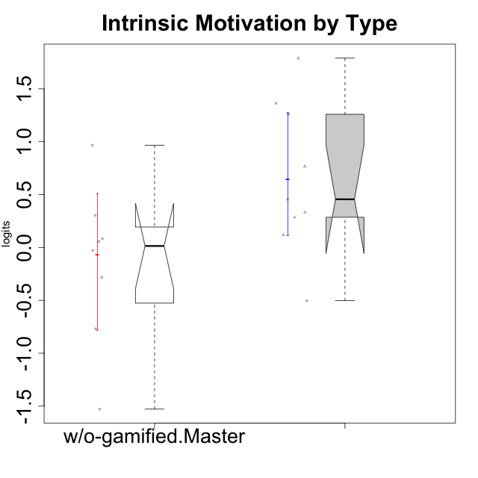

Wilcoxon data
UserID | NroUSP | Type | CLGroup | CLRole | PlayerRole | Score | theta | error | Outfit | Infit | Intrinsic Motivation
10171 | 698531 | ont-gamified | Mafia | Master | Social Achiever | 94 | 1.7898541848 | 0.21920406147 | 0.25558769415 | 0.23722623262 | 1.7898541848
10174 | 10276852 | w/o-gamified | Grupo7 | Master |  | 58 | 0.055929297679 | 0.15957641413 | 0.77026697063 | 0.75306788906 | 0.055929297679
10175 | 10310700 | ont-gamified | Warriors | Master | Social Achiever | 85 | 1.362635261 | 0.1828148888 | 0.69956777872 | 0.70178239684 | 1.362635261
10176 | 10276949 | ont-gamified | Outlaws | Master | Social Achiever | 47 | -0.5032931597 | 0.16294485418 | 0.43926930154 | 0.43951670683 | -0.5032931597
10179 | 10310759 | w/o-gamified | Grupo10 | Master |  | 63 | 0.30411727392 | 0.15985139808 | 1.246489522 | 1.2636611496 | 0.30411727392
10188 | 10276995 | ont-gamified | Vandals | Master | Yee Achiever | 74 | 0.76644358571 | 0.16548584469 | 0.96732762649 | 1.0057654734 | 0.76644358571
10191 | 10276981 | w/o-gamified | Grupo1 | Master |  | 54 | -0.027942256383 | 0.16018754295 | 0.95216977844 | 0.96395824537 | -0.027942256383
10208 | 10276932 | ont-gamified | Mercenaries | Master | Social Achiever | 69 | 0.45522696151 | 0.16192845421 | 0.12589260796 | 0.1297881958 | 0.45522696151
10215 | 9285227 | ont-gamified | Vikings | Master | Social Achiever | 68 | 0.33189570146 | 0.161432546 | 1.3051507118 | 1.3194120079 | 0.33189570146
10216 | 10276720 | ont-gamified | Silly Knights | Master | Social Achiever | 84 | 1.2585432091 | 0.18044111572 | 0.66925069974 | 0.7172617576 | 1.2585432091
10219 | 10276831 | w/o-gamified | Grupo3 | Master |  | 44 | -0.76978801042 | 0.16480388462 | 2.2225091483 | 2.2815316222 | -0.76978801042
10223 | 9795185 | ont-gamified | Slayers | Master | Social Achiever | 64 | 0.28548179301 | 0.16005599838 | 0.57381144328 | 0.54637136569 | 0.28548179301
10227 | 9274382 | w/o-gamified | Grupo5 | Master |  | 60 | 0.082073613185 | 0.15954227735 | 0.64308140929 | 0.61449253454 | 0.082073613185
10230 | 10351992 | ont-gamified | Resistance | Master | Social Achiever | 59 | 0.11834231828 | 0.15953608411 | 0.66006746391 | 0.66795730139 | 0.11834231828
10231 | 10276911 | w/o-gamified | Grupo9 | Master |  | 80 | 0.9668119984 | 0.17282498115 | 1.1792455569 | 1.0835730801 | 0.9668119984
10234 | 10310676 | w/o-gamified | Grupo4 | Master |  | 31 | -1.5282276038 | 0.17889750866 | 1.3335503063 | 1.4075726737 | -1.5282276038
10238 | 10276953 | w/o-gamified | Grupo2 | Master |  | 49 | -0.28233709651 | 0.16193659189 | 0.66579532456 | 0.672968861 | -0.28233709651

Type_CLRole_6
Wilcoxon Analysis for Intrinsic Motivation by Type in Type:CLRole between w/o-gamified.Apprentice:w/o-gamified.Master

Wilcoxon test results
Alternative hypothesis: less
Group | N | Median | Mean.Ranks | Sum.Ranks | U | Z | p.value | r | magnitude
w/o-gamified.Apprentice | 19 | -0.25050457155 | 13.684210526 | 260 | 70 | -0.31859654643 | 0.38745447789 | 0.061313933948 | none
w/o-gamified.Master | 8 | 0.013993520648 | 14.75 | 118 | 70 | -0.31859654643 | 0.38745447789 | 0.061313933948 | none
Alternative hypothesis: greater
Group | N | Median | Mean.Ranks | Sum.Ranks | U | Z | p.value | r | magnitude
w/o-gamified.Apprentice | 19 | -0.25050457155 | 13.684210526 | 260 | 70 | -0.31859654643 | 0.63233404277 | 0.061313933948 | none
w/o-gamified.Master | 8 | 0.013993520648 | 14.75 | 118 | 70 | -0.31859654643 | 0.63233404277 | 0.061313933948 | none
Alternative hypothesis: two.sided
Group | N | Median | Mean.Ranks | Sum.Ranks | U | Z | p.value | r | magnitude
w/o-gamified.Apprentice | 19 | -0.25050457155 | 13.684210526 | 260 | 70 | -0.31859654643 | 0.77490895578 | 0.061313933948 | none
w/o-gamified.Master | 8 | 0.013993520648 | 14.75 | 118 | 70 | -0.31859654643 | 0.77490895578 | 0.061313933948 | none

Box plots for wilcoxon tests


Wilcoxon data
UserID | NroUSP | Type | CLGroup | CLRole | PlayerRole | Score | theta | error | Outfit | Infit | Intrinsic Motivation
10170 | 10260351 | w/o-gamified | Grupo11 | Apprentice |  | 72 | 0.52547557682 | 0.16383079363 | 0.87049719106 | 0.87465625769 | 0.52547557682
10172 | 10273971 | w/o-gamified | Grupo5 | Apprentice |  | 52 | -0.29977763144 | 0.16075642787 | 1.2815486949 | 1.2672979709 | -0.29977763144
10174 | 10276852 | w/o-gamified | Grupo7 | Master |  | 58 | 0.055929297679 | 0.15957641413 | 0.77026697063 | 0.75306788906 | 0.055929297679
10179 | 10310759 | w/o-gamified | Grupo10 | Master |  | 63 | 0.30411727392 | 0.15985139808 | 1.246489522 | 1.2636611496 | 0.30411727392
10181 | 10276866 | w/o-gamified | Grupo2 | Apprentice |  | 43 | -0.75941738424 | 0.16552056899 | 0.86982508127 | 0.90650916289 | -0.75941738424
10183 | 10352030 | w/o-gamified | Grupo3 | Apprentice |  | 45 | -0.60159759109 | 0.16413660383 | 0.49190770659 | 0.50056221254 | -0.60159759109
10184 | 10276675 | w/o-gamified | Grupo10 | Apprentice |  | 53 | -0.26428279884 | 0.16045024942 | 0.26869330724 | 0.26539873052 | -0.26428279884
10185 | 10276960 | w/o-gamified | Grupo9 | Apprentice |  | 56 | -0.020288465547 | 0.15979325058 | 0.99224331246 | 0.98119851879 | -0.020288465547
10190 | 10276907 | w/o-gamified | Grupo4 | Apprentice |  | 42 | -0.68611540292 | 0.16628829695 | 0.59452075854 | 0.59299546384 | -0.68611540292
10191 | 10276981 | w/o-gamified | Grupo1 | Master |  | 54 | -0.027942256383 | 0.16018754295 | 0.95216977844 | 0.96395824537 | -0.027942256383
10197 | 10276661 | w/o-gamified | Grupo8 | Apprentice |  | 60 | 0.068827077609 | 0.15954227735 | 0.58268436271 | 0.5838230378 | 0.068827077609
10199 | 10276737 | w/o-gamified | Grupo1 | Apprentice |  | 50 | -0.3816031525 | 0.16149937016 | 0.41101005839 | 0.39993215519 | -0.3816031525
10201 | 10276928 | w/o-gamified | Grupo11 | Apprentice |  | 69 | 0.50714196371 | 0.16192845421 | 0.56146775456 | 0.56765861301 | 0.50714196371
10204 | 10310471 | w/o-gamified | Grupo6 | Apprentice |  | 20 | -2.1666337155 | 0.20531649824 | 1.1015063437 | 1.2720327847 | -2.1666337155
10206 | 10310721 | w/o-gamified | Grupo8 | Apprentice |  | 69 | 0.46399257134 | 0.16192845421 | 0.2671023788 | 0.27860317329 | 0.46399257134
10210 | 10277015 | w/o-gamified | Grupo6 | Apprentice |  | 26 | -1.5901494008 | 0.18831297648 | 1.9367032693 | 2.1403079288 | -1.5901494008
10213 | 10277040 | w/o-gamified | Grupo7 | Apprentice |  | 50 | -0.0836606047 | 0.16149937016 | 2.0945664374 | 2.0747275104 | -0.0836606047
10217 | 9805341 | w/o-gamified | Grupo9 | Apprentice |  | 69 | 0.5508430234 | 0.16192845421 | 0.74942481516 | 0.72940199447 | 0.5508430234
10218 | 9842913 | w/o-gamified | Grupo10 | Apprentice |  | 52 | -0.25050457155 | 0.16075642787 | 0.36105042489 | 0.35849234631 | -0.25050457155
10219 | 10276831 | w/o-gamified | Grupo3 | Master |  | 44 | -0.76978801042 | 0.16480388462 | 2.2225091483 | 2.2815316222 | -0.76978801042
10220 | 9760151 | w/o-gamified | Grupo3 | Apprentice |  | 75 | 0.91584128946 | 0.16644445962 | 1.5392646782 | 1.6405704924 | 0.91584128946
10226 | 10310342 | w/o-gamified | Grupo4 | Apprentice |  | 15 | -2.4305477967 | 0.2284068817 | 0.62517243511 | 0.56114206622 | -2.4305477967
10227 | 9274382 | w/o-gamified | Grupo5 | Master |  | 60 | 0.082073613185 | 0.15954227735 | 0.64308140929 | 0.61449253454 | 0.082073613185
10231 | 10276911 | w/o-gamified | Grupo9 | Master |  | 80 | 0.9668119984 | 0.17282498115 | 1.1792455569 | 1.0835730801 | 0.9668119984
10232 | 10276974 | w/o-gamified | Grupo7 | Apprentice |  | 72 | 0.71447546835 | 0.16383079363 | 0.28940559162 | 0.28095621728 | 0.71447546835
10234 | 10310676 | w/o-gamified | Grupo4 | Master |  | 31 | -1.5282276038 | 0.17889750866 | 1.3335503063 | 1.4075726737 | -1.5282276038
10238 | 10276953 | w/o-gamified | Grupo2 | Master |  | 49 | -0.28233709651 | 0.16193659189 | 0.66579532456 | 0.672968861 | -0.28233709651

