Type_1
Wilcoxon Analysis for Perceived Choice by Type in Type between ont-gamified:w/o-gamified

Wilcoxon test results
Alternative hypothesis: less
Group | N | Median | Mean.Ranks | Sum.Ranks | U | Z | p.value | r | magnitude
ont-gamified | 24 | 0.5275676747 | 31.208333333 | 749 | 449 | 2.3636747247 | 0.99152771424 | 0.33098066422 | medium
w/o-gamified | 27 | -0.23481931294 | 21.37037037 | 577 | 449 | 2.3636747247 | 0.99152771424 | 0.33098066422 | medium
Alternative hypothesis: greater
Group | N | Median | Mean.Ranks | Sum.Ranks | U | Z | p.value | r | magnitude
ont-gamified | 24 | 0.5275676747 | 31.208333333 | 749 | 449 | 2.3636747247 | 0.0087027465668 | 0.33098066422 | medium
w/o-gamified | 27 | -0.23481931294 | 21.37037037 | 577 | 449 | 2.3636747247 | 0.0087027465668 | 0.33098066422 | medium
Alternative hypothesis: two.sided
Group | N | Median | Mean.Ranks | Sum.Ranks | U | Z | p.value | r | magnitude
ont-gamified | 24 | 0.5275676747 | 31.208333333 | 749 | 449 | 2.3636747247 | 0.017403662857 | 0.33098066422 | medium
w/o-gamified | 27 | -0.23481931294 | 21.37037037 | 577 | 449 | 2.3636747247 | 0.017403662857 | 0.33098066422 | medium

Box plots for wilcoxon tests
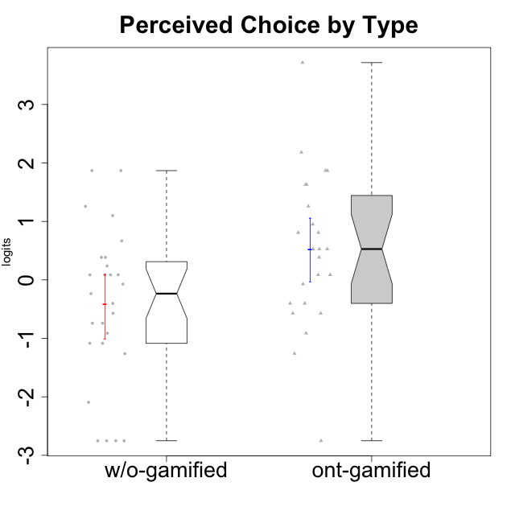

Wilcoxon data
UserID | NroUSP | Type | CLGroup | CLRole | PlayerRole | Score | theta | error | Outfit | Infit | Perceived Choice
10169 | 10377538 | ont-gamified | Resistance | Apprentice | Social Achiever | 21 | 0.80816445192 | 0.38718295803 | 0.50248558823 | 0.5071681217 | 0.80816445192
10170 | 10260351 | w/o-gamified | Grupo11 | Apprentice |  | 24 | 1.258023018 | 0.42037807336 | 0.50758383515 | 0.49918850959 | 1.258023018
10171 | 698531 | ont-gamified | Mafia | Master | Social Achiever | 26 | 1.6300613239 | 0.47836970825 | 0.17315936022 | 0.14881745746 | 1.6300613239
10172 | 10273971 | w/o-gamified | Grupo5 | Apprentice |  | 9 | -1.0845524683 | 0.42394926551 | 0.26274025439 | 0.26326577511 | -1.0845524683
10174 | 10276852 | w/o-gamified | Grupo7 | Master |  | 16 | 0.086610046126 | 0.39404738848 | 0.20375745903 | 0.20394252805 | 0.086610046126
10175 | 10310700 | ont-gamified | Warriors | Master | Social Achiever | 28 | 2.1812873658 | 0.61896721665 | 0.78609062328 | 0.93986996552 | 2.1812873658
10176 | 10276949 | ont-gamified | Outlaws | Master | Social Achiever | 12 | -0.57154102194 | 0.41144968003 | 0.59836870699 | 0.59434027063 | -0.57154102194
10179 | 10310759 | w/o-gamified | Grupo10 | Master |  | 8 | -1.2606166597 | 0.4321910776 | 0.73475278407 | 0.71569984365 | -1.2606166597
10181 | 10276866 | w/o-gamified | Grupo2 | Apprentice |  | 16 | 0.086610046126 | 0.39404738848 | 1.560806075 | 1.5856818022 | 0.086610046126
10183 | 10352030 | w/o-gamified | Grupo3 | Apprentice |  | 17 | 0.23857900733 | 0.38924507716 | 0.91358729209 | 0.93217563945 | 0.23857900733
10184 | 10276675 | w/o-gamified | Grupo10 | Apprentice |  | 15 | -0.071370473876 | 0.39923833992 | 0.42618575395 | 0.4317752544 | -0.071370473876
10185 | 10276960 | w/o-gamified | Grupo9 | Apprentice |  | 12 | -0.57154102194 | 0.41144968003 | 1.7876743725 | 1.7766671743 | -0.57154102194
10186 | 10310551 | ont-gamified | Slayers | Apprentice | Social Achiever | 18 | 0.38510411336 | 0.38557524315 | 0.85005678466 | 0.86895188552 | 0.38510411336
10188 | 10276995 | ont-gamified | Vandals | Master | Yee Achiever | 26 | 1.6300613239 | 0.47836970825 | 0.87812460428 | 0.86387005614 | 1.6300613239
10189 | 9363926 | ont-gamified | Vikings | Apprentice | Social Achiever | 12 | -0.57154102194 | 0.41144968003 | 0.19106223912 | 0.19206202045 | -0.57154102194
10190 | 10276907 | w/o-gamified | Grupo4 | Apprentice |  | 10 | -0.91227220026 | 0.41842730215 | 1.4824699398 | 1.46959561 | -0.91227220026
10191 | 10276981 | w/o-gamified | Grupo1 | Master |  | 11 | -0.74162338078 | 0.41458863371 | 0.2114600942 | 0.21222057382 | -0.74162338078
10192 | 10276682 | ont-gamified | Attractive Devils | Apprentice | Social Achiever | 19 | 0.5275676747 | 0.38366535613 | 0.46146562511 | 0.46212245824 | 0.5275676747
10193 | 10276762 | ont-gamified | Vandals | Apprentice | Yee Achiever | 30 | 3.7156942885 | 1.3818986017 | 0.10155159624 | 0.10689193773 | 3.7156942885
10197 | 10276661 | w/o-gamified | Grupo8 | Apprentice |  | 20 | 0.66784937667 | 0.38403632416 | 0.92585447999 | 0.92291806245 | 0.66784937667
10198 | 10310888 | ont-gamified | Attractive Devils | Apprentice | Social Achiever | 13 | -0.40217350736 | 0.40813771898 | 3.5572594044 | 3.4922217754 | -0.40217350736
10199 | 10276737 | w/o-gamified | Grupo1 | Apprentice |  | 14 | -0.23481931294 | 0.4040863271 | 1.1121318381 | 1.1028861587 | -0.23481931294
10200 | 9795272 | ont-gamified | Warriors | Apprentice | Social Achiever | 19 | 0.5275676747 | 0.38366535613 | 1.0867702403 | 1.0950387999 | 0.5275676747
10201 | 10276928 | w/o-gamified | Grupo11 | Apprentice |  | 16 | 0.086610046126 | 0.39404738848 | 0.26519609903 | 0.26275192015 | 0.086610046126
10202 | 10277036 | ont-gamified | Silly Knights | Apprentice | Social Achiever | 21 | 0.80816445192 | 0.38718295803 | 0.84481446591 | 0.86081739815 | 0.80816445192
10203 | 9921470 | ont-gamified | Mercenaries | Apprentice | Social Achiever | 27 | 1.8687847356 | 0.53116736368 | 1.3128004618 | 1.5839422955 | 1.8687847356
10204 | 10310471 | w/o-gamified | Grupo6 | Apprentice |  | 2 | -2.7515624252 | 0.671406981 | 0.41883287359 | 0.4179793041 | -2.7515624252
10206 | 10310721 | w/o-gamified | Grupo8 | Apprentice |  | 23 | 1.0996883149 | 0.40433795544 | 0.11548207383 | 0.11633520526 | 1.0996883149
10208 | 10276932 | ont-gamified | Mercenaries | Master | Social Achiever | 19 | 0.5275676747 | 0.38366535613 | 0.44495880941 | 0.44896288992 | 0.5275676747
10209 | 10262669 | ont-gamified | Mafia | Apprentice | Social Achiever | 2 | -2.7515624252 | 0.671406981 | 0.41883287359 | 0.4179793041 | -2.7515624252
10210 | 10277015 | w/o-gamified | Grupo6 | Apprentice |  | 2 | -2.7515624252 | 0.671406981 | 0.41883287359 | 0.4179793041 | -2.7515624252
10213 | 10277040 | w/o-gamified | Grupo7 | Apprentice |  | 2 | -2.7515624252 | 0.671406981 | 0.41883287359 | 0.4179793041 | -2.7515624252
10214 | 10277022 | ont-gamified | Vikings | Apprentice | Social Achiever | 8 | -1.2606166597 | 0.4321910776 | 2.4812595697 | 2.5741066738 | -1.2606166597
10215 | 9285227 | ont-gamified | Vikings | Master | Social Achiever | 22 | 0.95107798127 | 0.3936833391 | 1.4330600087 | 1.4424506346 | 0.95107798127
10216 | 10276720 | ont-gamified | Silly Knights | Master | Social Achiever | 24 | 1.258023018 | 0.42037807336 | 0.50758383515 | 0.49918850959 | 1.258023018
10217 | 9805341 | w/o-gamified | Grupo9 | Apprentice |  | 16 | 0.086610046126 | 0.39404738848 | 0.67686831147 | 0.69899303272 | 0.086610046126
10218 | 9842913 | w/o-gamified | Grupo10 | Apprentice |  | 13 | -0.40217350736 | 0.40813771898 | 0.30123794665 | 0.29925663356 | -0.40217350736
10219 | 10276831 | w/o-gamified | Grupo3 | Master |  | 11 | -0.74162338078 | 0.41458863371 | 3.8049732636 | 3.8089870396 | -0.74162338078
10220 | 9760151 | w/o-gamified | Grupo3 | Apprentice |  | 27 | 1.8687847356 | 0.53116736368 | 1.9410165794 | 2.0343839452 | 1.8687847356
10221 | 9082496 | ont-gamified | Warriors | Apprentice | Social Achiever | 10 | -0.91227220026 | 0.41842730215 | 0.93306283587 | 0.92276023958 | -0.91227220026
10223 | 9795185 | ont-gamified | Slayers | Master | Social Achiever | 16 | 0.086610046126 | 0.39404738848 | 0.20375745903 | 0.20394252805 | 0.086610046126
10224 | 9368772 | ont-gamified | Mercenaries | Apprentice | Social Achiever | 13 | -0.40217350736 | 0.40813771898 | 0.17567809176 | 0.1771184867 | -0.40217350736
10226 | 10310342 | w/o-gamified | Grupo4 | Apprentice |  | 2 | -2.7515624252 | 0.671406981 | 0.41883287359 | 0.4179793041 | -2.7515624252
10227 | 9274382 | w/o-gamified | Grupo5 | Master |  | 18 | 0.38510411336 | 0.38557524315 | 0.1600549978 | 0.16258853349 | 0.38510411336
10228 | 10310492 | ont-gamified | Resistance | Apprentice | Social Achiever | 27 | 1.8687847356 | 0.53116736368 | 0.40569409451 | 0.3805204597 | 1.8687847356
10230 | 10351992 | ont-gamified | Resistance | Master | Social Achiever | 15 | -0.071370473876 | 0.39923833992 | 0.64131563612 | 0.64538754425 | -0.071370473876
10231 | 10276911 | w/o-gamified | Grupo9 | Master |  | 27 | 1.8687847356 | 0.53116736368 | 0.43849356169 | 0.47856731577 | 1.8687847356
10232 | 10276974 | w/o-gamified | Grupo7 | Apprentice |  | 18 | 0.38510411336 | 0.38557524315 | 0.30228483405 | 0.29838902721 | 0.38510411336
10234 | 10310676 | w/o-gamified | Grupo4 | Master |  | 4 | -2.0928540409 | 0.52394719458 | 0.27054351167 | 0.26174903584 | -2.0928540409
10237 | 10377688 | ont-gamified | Outlaws | Apprentice | Social Achiever | 16 | 0.086610046126 | 0.39404738848 | 0.79273447551 | 0.76414066984 | 0.086610046126
10238 | 10276953 | w/o-gamified | Grupo2 | Master |  | 9 | -1.0845524683 | 0.42394926551 | 0.56258459481 | 0.53485551484 | -1.0845524683

Type_CLRole_1
Wilcoxon Analysis for Perceived Choice by Type in Type:CLRole between ont-gamified.Apprentice:ont-gamified.Master

Wilcoxon test results
Alternative hypothesis: less
Group | N | Median | Mean.Ranks | Sum.Ranks | U | Z | p.value | r | magnitude
ont-gamified.Apprentice | 15 | 0.38510411336 | 11.2 | 168 | 48 | -1.1652913499 | 0.12779999143 | 0.23786410074 | small
ont-gamified.Master | 9 | 0.95107798127 | 14.666666667 | 132 | 48 | -1.1652913499 | 0.12779999143 | 0.23786410074 | small
Alternative hypothesis: greater
Group | N | Median | Mean.Ranks | Sum.Ranks | U | Z | p.value | r | magnitude
ont-gamified.Apprentice | 15 | 0.38510411336 | 11.2 | 168 | 48 | -1.1652913499 | 0.87812350861 | 0.23786410074 | small
ont-gamified.Master | 9 | 0.95107798127 | 14.666666667 | 132 | 48 | -1.1652913499 | 0.87812350861 | 0.23786410074 | small
Alternative hypothesis: two.sided
Group | N | Median | Mean.Ranks | Sum.Ranks | U | Z | p.value | r | magnitude
ont-gamified.Apprentice | 15 | 0.38510411336 | 11.2 | 168 | 48 | -1.1652913499 | 0.25590743891 | 0.23786410074 | small
ont-gamified.Master | 9 | 0.95107798127 | 14.666666667 | 132 | 48 | -1.1652913499 | 0.25590743891 | 0.23786410074 | small

Box plots for wilcoxon tests
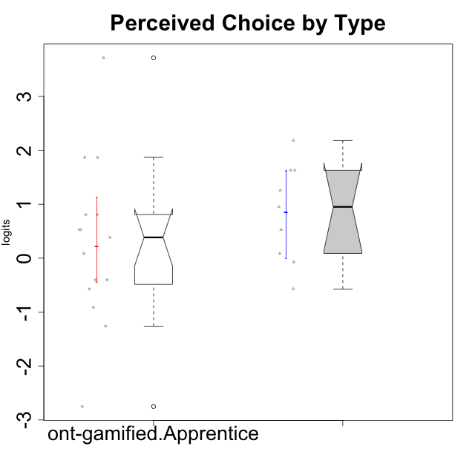

Wilcoxon data
UserID | NroUSP | Type | CLGroup | CLRole | PlayerRole | Score | theta | error | Outfit | Infit | Perceived Choice
10169 | 10377538 | ont-gamified | Resistance | Apprentice | Social Achiever | 21 | 0.80816445192 | 0.38718295803 | 0.50248558823 | 0.5071681217 | 0.80816445192
10171 | 698531 | ont-gamified | Mafia | Master | Social Achiever | 26 | 1.6300613239 | 0.47836970825 | 0.17315936022 | 0.14881745746 | 1.6300613239
10175 | 10310700 | ont-gamified | Warriors | Master | Social Achiever | 28 | 2.1812873658 | 0.61896721665 | 0.78609062328 | 0.93986996552 | 2.1812873658
10176 | 10276949 | ont-gamified | Outlaws | Master | Social Achiever | 12 | -0.57154102194 | 0.41144968003 | 0.59836870699 | 0.59434027063 | -0.57154102194
10186 | 10310551 | ont-gamified | Slayers | Apprentice | Social Achiever | 18 | 0.38510411336 | 0.38557524315 | 0.85005678466 | 0.86895188552 | 0.38510411336
10188 | 10276995 | ont-gamified | Vandals | Master | Yee Achiever | 26 | 1.6300613239 | 0.47836970825 | 0.87812460428 | 0.86387005614 | 1.6300613239
10189 | 9363926 | ont-gamified | Vikings | Apprentice | Social Achiever | 12 | -0.57154102194 | 0.41144968003 | 0.19106223912 | 0.19206202045 | -0.57154102194
10192 | 10276682 | ont-gamified | Attractive Devils | Apprentice | Social Achiever | 19 | 0.5275676747 | 0.38366535613 | 0.46146562511 | 0.46212245824 | 0.5275676747
10193 | 10276762 | ont-gamified | Vandals | Apprentice | Yee Achiever | 30 | 3.7156942885 | 1.3818986017 | 0.10155159624 | 0.10689193773 | 3.7156942885
10198 | 10310888 | ont-gamified | Attractive Devils | Apprentice | Social Achiever | 13 | -0.40217350736 | 0.40813771898 | 3.5572594044 | 3.4922217754 | -0.40217350736
10200 | 9795272 | ont-gamified | Warriors | Apprentice | Social Achiever | 19 | 0.5275676747 | 0.38366535613 | 1.0867702403 | 1.0950387999 | 0.5275676747
10202 | 10277036 | ont-gamified | Silly Knights | Apprentice | Social Achiever | 21 | 0.80816445192 | 0.38718295803 | 0.84481446591 | 0.86081739815 | 0.80816445192
10203 | 9921470 | ont-gamified | Mercenaries | Apprentice | Social Achiever | 27 | 1.8687847356 | 0.53116736368 | 1.3128004618 | 1.5839422955 | 1.8687847356
10208 | 10276932 | ont-gamified | Mercenaries | Master | Social Achiever | 19 | 0.5275676747 | 0.38366535613 | 0.44495880941 | 0.44896288992 | 0.5275676747
10209 | 10262669 | ont-gamified | Mafia | Apprentice | Social Achiever | 2 | -2.7515624252 | 0.671406981 | 0.41883287359 | 0.4179793041 | -2.7515624252
10214 | 10277022 | ont-gamified | Vikings | Apprentice | Social Achiever | 8 | -1.2606166597 | 0.4321910776 | 2.4812595697 | 2.5741066738 | -1.2606166597
10215 | 9285227 | ont-gamified | Vikings | Master | Social Achiever | 22 | 0.95107798127 | 0.3936833391 | 1.4330600087 | 1.4424506346 | 0.95107798127
10216 | 10276720 | ont-gamified | Silly Knights | Master | Social Achiever | 24 | 1.258023018 | 0.42037807336 | 0.50758383515 | 0.49918850959 | 1.258023018
10221 | 9082496 | ont-gamified | Warriors | Apprentice | Social Achiever | 10 | -0.91227220026 | 0.41842730215 | 0.93306283587 | 0.92276023958 | -0.91227220026
10223 | 9795185 | ont-gamified | Slayers | Master | Social Achiever | 16 | 0.086610046126 | 0.39404738848 | 0.20375745903 | 0.20394252805 | 0.086610046126
10224 | 9368772 | ont-gamified | Mercenaries | Apprentice | Social Achiever | 13 | -0.40217350736 | 0.40813771898 | 0.17567809176 | 0.1771184867 | -0.40217350736
10228 | 10310492 | ont-gamified | Resistance | Apprentice | Social Achiever | 27 | 1.8687847356 | 0.53116736368 | 0.40569409451 | 0.3805204597 | 1.8687847356
10230 | 10351992 | ont-gamified | Resistance | Master | Social Achiever | 15 | -0.071370473876 | 0.39923833992 | 0.64131563612 | 0.64538754425 | -0.071370473876
10237 | 10377688 | ont-gamified | Outlaws | Apprentice | Social Achiever | 16 | 0.086610046126 | 0.39404738848 | 0.79273447551 | 0.76414066984 | 0.086610046126

Type_CLRole_2
Wilcoxon Analysis for Perceived Choice by Type in Type:CLRole between ont-gamified.Apprentice:w/o-gamified.Apprentice

Wilcoxon test results
Alternative hypothesis: less
Group | N | Median | Mean.Ranks | Sum.Ranks | U | Z | p.value | r | magnitude
ont-gamified.Apprentice | 15 | 0.38510411336 | 19.8 | 297 | 177 | 1.2005620436 | 0.88506163351 | 0.20589469185 | small
w/o-gamified.Apprentice | 19 | -0.071370473876 | 15.684210526 | 298 | 177 | 1.2005620436 | 0.88506163351 | 0.20589469185 | small
Alternative hypothesis: greater
Group | N | Median | Mean.Ranks | Sum.Ranks | U | Z | p.value | r | magnitude
ont-gamified.Apprentice | 15 | 0.38510411336 | 19.8 | 297 | 177 | 1.2005620436 | 0.11837262109 | 0.20589469185 | small
w/o-gamified.Apprentice | 19 | -0.071370473876 | 15.684210526 | 298 | 177 | 1.2005620436 | 0.11837262109 | 0.20589469185 | small
Alternative hypothesis: two.sided
Group | N | Median | Mean.Ranks | Sum.Ranks | U | Z | p.value | r | magnitude
ont-gamified.Apprentice | 15 | 0.38510411336 | 19.8 | 297 | 177 | 1.2005620436 | 0.23672764866 | 0.20589469185 | small
w/o-gamified.Apprentice | 19 | -0.071370473876 | 15.684210526 | 298 | 177 | 1.2005620436 | 0.23672764866 | 0.20589469185 | small

Box plots for wilcoxon tests
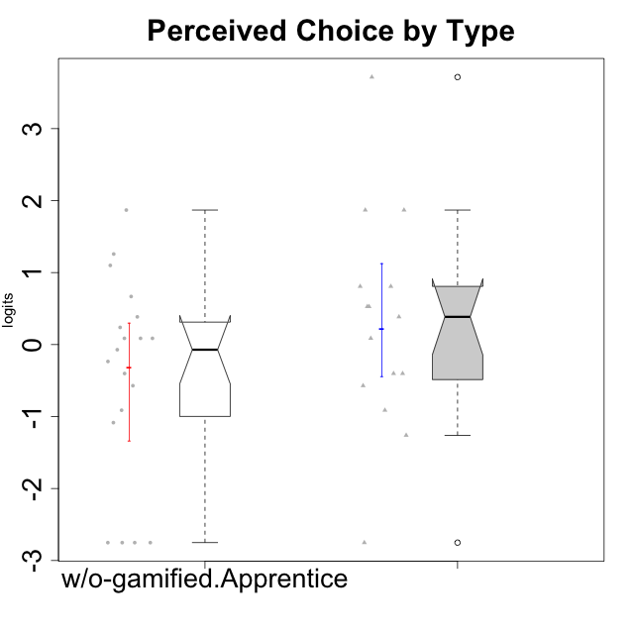

Wilcoxon data
UserID | NroUSP | Type | CLGroup | CLRole | PlayerRole | Score | theta | error | Outfit | Infit | Perceived Choice
10169 | 10377538 | ont-gamified | Resistance | Apprentice | Social Achiever | 21 | 0.80816445192 | 0.38718295803 | 0.50248558823 | 0.5071681217 | 0.80816445192
10170 | 10260351 | w/o-gamified | Grupo11 | Apprentice |  | 24 | 1.258023018 | 0.42037807336 | 0.50758383515 | 0.49918850959 | 1.258023018
10172 | 10273971 | w/o-gamified | Grupo5 | Apprentice |  | 9 | -1.0845524683 | 0.42394926551 | 0.26274025439 | 0.26326577511 | -1.0845524683
10181 | 10276866 | w/o-gamified | Grupo2 | Apprentice |  | 16 | 0.086610046126 | 0.39404738848 | 1.560806075 | 1.5856818022 | 0.086610046126
10183 | 10352030 | w/o-gamified | Grupo3 | Apprentice |  | 17 | 0.23857900733 | 0.38924507716 | 0.91358729209 | 0.93217563945 | 0.23857900733
10184 | 10276675 | w/o-gamified | Grupo10 | Apprentice |  | 15 | -0.071370473876 | 0.39923833992 | 0.42618575395 | 0.4317752544 | -0.071370473876
10185 | 10276960 | w/o-gamified | Grupo9 | Apprentice |  | 12 | -0.57154102194 | 0.41144968003 | 1.7876743725 | 1.7766671743 | -0.57154102194
10186 | 10310551 | ont-gamified | Slayers | Apprentice | Social Achiever | 18 | 0.38510411336 | 0.38557524315 | 0.85005678466 | 0.86895188552 | 0.38510411336
10189 | 9363926 | ont-gamified | Vikings | Apprentice | Social Achiever | 12 | -0.57154102194 | 0.41144968003 | 0.19106223912 | 0.19206202045 | -0.57154102194
10190 | 10276907 | w/o-gamified | Grupo4 | Apprentice |  | 10 | -0.91227220026 | 0.41842730215 | 1.4824699398 | 1.46959561 | -0.91227220026
10192 | 10276682 | ont-gamified | Attractive Devils | Apprentice | Social Achiever | 19 | 0.5275676747 | 0.38366535613 | 0.46146562511 | 0.46212245824 | 0.5275676747
10193 | 10276762 | ont-gamified | Vandals | Apprentice | Yee Achiever | 30 | 3.7156942885 | 1.3818986017 | 0.10155159624 | 0.10689193773 | 3.7156942885
10197 | 10276661 | w/o-gamified | Grupo8 | Apprentice |  | 20 | 0.66784937667 | 0.38403632416 | 0.92585447999 | 0.92291806245 | 0.66784937667
10198 | 10310888 | ont-gamified | Attractive Devils | Apprentice | Social Achiever | 13 | -0.40217350736 | 0.40813771898 | 3.5572594044 | 3.4922217754 | -0.40217350736
10199 | 10276737 | w/o-gamified | Grupo1 | Apprentice |  | 14 | -0.23481931294 | 0.4040863271 | 1.1121318381 | 1.1028861587 | -0.23481931294
10200 | 9795272 | ont-gamified | Warriors | Apprentice | Social Achiever | 19 | 0.5275676747 | 0.38366535613 | 1.0867702403 | 1.0950387999 | 0.5275676747
10201 | 10276928 | w/o-gamified | Grupo11 | Apprentice |  | 16 | 0.086610046126 | 0.39404738848 | 0.26519609903 | 0.26275192015 | 0.086610046126
10202 | 10277036 | ont-gamified | Silly Knights | Apprentice | Social Achiever | 21 | 0.80816445192 | 0.38718295803 | 0.84481446591 | 0.86081739815 | 0.80816445192
10203 | 9921470 | ont-gamified | Mercenaries | Apprentice | Social Achiever | 27 | 1.8687847356 | 0.53116736368 | 1.3128004618 | 1.5839422955 | 1.8687847356
10204 | 10310471 | w/o-gamified | Grupo6 | Apprentice |  | 2 | -2.7515624252 | 0.671406981 | 0.41883287359 | 0.4179793041 | -2.7515624252
10206 | 10310721 | w/o-gamified | Grupo8 | Apprentice |  | 23 | 1.0996883149 | 0.40433795544 | 0.11548207383 | 0.11633520526 | 1.0996883149
10209 | 10262669 | ont-gamified | Mafia | Apprentice | Social Achiever | 2 | -2.7515624252 | 0.671406981 | 0.41883287359 | 0.4179793041 | -2.7515624252
10210 | 10277015 | w/o-gamified | Grupo6 | Apprentice |  | 2 | -2.7515624252 | 0.671406981 | 0.41883287359 | 0.4179793041 | -2.7515624252
10213 | 10277040 | w/o-gamified | Grupo7 | Apprentice |  | 2 | -2.7515624252 | 0.671406981 | 0.41883287359 | 0.4179793041 | -2.7515624252
10214 | 10277022 | ont-gamified | Vikings | Apprentice | Social Achiever | 8 | -1.2606166597 | 0.4321910776 | 2.4812595697 | 2.5741066738 | -1.2606166597
10217 | 9805341 | w/o-gamified | Grupo9 | Apprentice |  | 16 | 0.086610046126 | 0.39404738848 | 0.67686831147 | 0.69899303272 | 0.086610046126
10218 | 9842913 | w/o-gamified | Grupo10 | Apprentice |  | 13 | -0.40217350736 | 0.40813771898 | 0.30123794665 | 0.29925663356 | -0.40217350736
10220 | 9760151 | w/o-gamified | Grupo3 | Apprentice |  | 27 | 1.8687847356 | 0.53116736368 | 1.9410165794 | 2.0343839452 | 1.8687847356
10221 | 9082496 | ont-gamified | Warriors | Apprentice | Social Achiever | 10 | -0.91227220026 | 0.41842730215 | 0.93306283587 | 0.92276023958 | -0.91227220026
10224 | 9368772 | ont-gamified | Mercenaries | Apprentice | Social Achiever | 13 | -0.40217350736 | 0.40813771898 | 0.17567809176 | 0.1771184867 | -0.40217350736
10226 | 10310342 | w/o-gamified | Grupo4 | Apprentice |  | 2 | -2.7515624252 | 0.671406981 | 0.41883287359 | 0.4179793041 | -2.7515624252
10228 | 10310492 | ont-gamified | Resistance | Apprentice | Social Achiever | 27 | 1.8687847356 | 0.53116736368 | 0.40569409451 | 0.3805204597 | 1.8687847356
10232 | 10276974 | w/o-gamified | Grupo7 | Apprentice |  | 18 | 0.38510411336 | 0.38557524315 | 0.30228483405 | 0.29838902721 | 0.38510411336
10237 | 10377688 | ont-gamified | Outlaws | Apprentice | Social Achiever | 16 | 0.086610046126 | 0.39404738848 | 0.79273447551 | 0.76414066984 | 0.086610046126

Type_CLRole_3
Wilcoxon Analysis for Perceived Choice by Type in Type:CLRole between ont-gamified.Apprentice:w/o-gamified.Master

Wilcoxon test results
Alternative hypothesis: less
Group | N | Median | Mean.Ranks | Sum.Ranks | U | Z | p.value | r | magnitude
ont-gamified.Apprentice | 15 | 0.38510411336 | 13.5 | 202.5 | 82.5 | 1.4563315692 | 0.9282357836 | 0.30366612382 | medium
w/o-gamified.Master | 8 | -0.74162338078 | 9.1875 | 73.5 | 82.5 | 1.4563315692 | 0.9282357836 | 0.30366612382 | medium
Alternative hypothesis: greater
Group | N | Median | Mean.Ranks | Sum.Ranks | U | Z | p.value | r | magnitude
ont-gamified.Apprentice | 15 | 0.38510411336 | 13.5 | 202.5 | 82.5 | 1.4563315692 | 0.076361270533 | 0.30366612382 | medium
w/o-gamified.Master | 8 | -0.74162338078 | 9.1875 | 73.5 | 82.5 | 1.4563315692 | 0.076361270533 | 0.30366612382 | medium
Alternative hypothesis: two.sided
Group | N | Median | Mean.Ranks | Sum.Ranks | U | Z | p.value | r | magnitude
ont-gamified.Apprentice | 15 | 0.38510411336 | 13.5 | 202.5 | 82.5 | 1.4563315692 | 0.15267359284 | 0.30366612382 | medium
w/o-gamified.Master | 8 | -0.74162338078 | 9.1875 | 73.5 | 82.5 | 1.4563315692 | 0.15267359284 | 0.30366612382 | medium

Box plots for wilcoxon tests
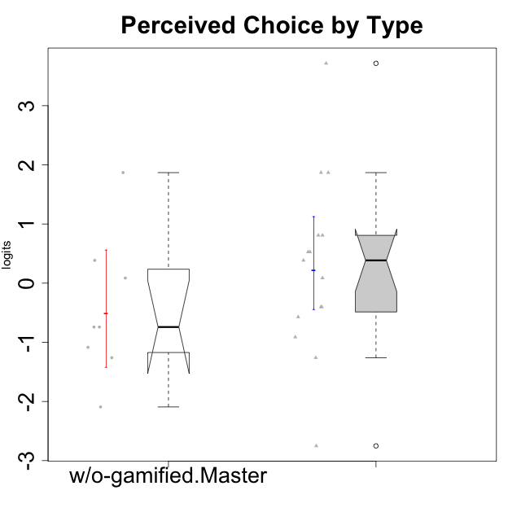

Wilcoxon data
UserID | NroUSP | Type | CLGroup | CLRole | PlayerRole | Score | theta | error | Outfit | Infit | Perceived Choice
10169 | 10377538 | ont-gamified | Resistance | Apprentice | Social Achiever | 21 | 0.80816445192 | 0.38718295803 | 0.50248558823 | 0.5071681217 | 0.80816445192
10174 | 10276852 | w/o-gamified | Grupo7 | Master |  | 16 | 0.086610046126 | 0.39404738848 | 0.20375745903 | 0.20394252805 | 0.086610046126
10179 | 10310759 | w/o-gamified | Grupo10 | Master |  | 8 | -1.2606166597 | 0.4321910776 | 0.73475278407 | 0.71569984365 | -1.2606166597
10186 | 10310551 | ont-gamified | Slayers | Apprentice | Social Achiever | 18 | 0.38510411336 | 0.38557524315 | 0.85005678466 | 0.86895188552 | 0.38510411336
10189 | 9363926 | ont-gamified | Vikings | Apprentice | Social Achiever | 12 | -0.57154102194 | 0.41144968003 | 0.19106223912 | 0.19206202045 | -0.57154102194
10191 | 10276981 | w/o-gamified | Grupo1 | Master |  | 11 | -0.74162338078 | 0.41458863371 | 0.2114600942 | 0.21222057382 | -0.74162338078
10192 | 10276682 | ont-gamified | Attractive Devils | Apprentice | Social Achiever | 19 | 0.5275676747 | 0.38366535613 | 0.46146562511 | 0.46212245824 | 0.5275676747
10193 | 10276762 | ont-gamified | Vandals | Apprentice | Yee Achiever | 30 | 3.7156942885 | 1.3818986017 | 0.10155159624 | 0.10689193773 | 3.7156942885
10198 | 10310888 | ont-gamified | Attractive Devils | Apprentice | Social Achiever | 13 | -0.40217350736 | 0.40813771898 | 3.5572594044 | 3.4922217754 | -0.40217350736
10200 | 9795272 | ont-gamified | Warriors | Apprentice | Social Achiever | 19 | 0.5275676747 | 0.38366535613 | 1.0867702403 | 1.0950387999 | 0.5275676747
10202 | 10277036 | ont-gamified | Silly Knights | Apprentice | Social Achiever | 21 | 0.80816445192 | 0.38718295803 | 0.84481446591 | 0.86081739815 | 0.80816445192
10203 | 9921470 | ont-gamified | Mercenaries | Apprentice | Social Achiever | 27 | 1.8687847356 | 0.53116736368 | 1.3128004618 | 1.5839422955 | 1.8687847356
10209 | 10262669 | ont-gamified | Mafia | Apprentice | Social Achiever | 2 | -2.7515624252 | 0.671406981 | 0.41883287359 | 0.4179793041 | -2.7515624252
10214 | 10277022 | ont-gamified | Vikings | Apprentice | Social Achiever | 8 | -1.2606166597 | 0.4321910776 | 2.4812595697 | 2.5741066738 | -1.2606166597
10219 | 10276831 | w/o-gamified | Grupo3 | Master |  | 11 | -0.74162338078 | 0.41458863371 | 3.8049732636 | 3.8089870396 | -0.74162338078
10221 | 9082496 | ont-gamified | Warriors | Apprentice | Social Achiever | 10 | -0.91227220026 | 0.41842730215 | 0.93306283587 | 0.92276023958 | -0.91227220026
10224 | 9368772 | ont-gamified | Mercenaries | Apprentice | Social Achiever | 13 | -0.40217350736 | 0.40813771898 | 0.17567809176 | 0.1771184867 | -0.40217350736
10227 | 9274382 | w/o-gamified | Grupo5 | Master |  | 18 | 0.38510411336 | 0.38557524315 | 0.1600549978 | 0.16258853349 | 0.38510411336
10228 | 10310492 | ont-gamified | Resistance | Apprentice | Social Achiever | 27 | 1.8687847356 | 0.53116736368 | 0.40569409451 | 0.3805204597 | 1.8687847356
10231 | 10276911 | w/o-gamified | Grupo9 | Master |  | 27 | 1.8687847356 | 0.53116736368 | 0.43849356169 | 0.47856731577 | 1.8687847356
10234 | 10310676 | w/o-gamified | Grupo4 | Master |  | 4 | -2.0928540409 | 0.52394719458 | 0.27054351167 | 0.26174903584 | -2.0928540409
10237 | 10377688 | ont-gamified | Outlaws | Apprentice | Social Achiever | 16 | 0.086610046126 | 0.39404738848 | 0.79273447551 | 0.76414066984 | 0.086610046126
10238 | 10276953 | w/o-gamified | Grupo2 | Master |  | 9 | -1.0845524683 | 0.42394926551 | 0.56258459481 | 0.53485551484 | -1.0845524683

Type_CLRole_4
Wilcoxon Analysis for Perceived Choice by Type in Type:CLRole between ont-gamified.Master:w/o-gamified.Apprentice

Wilcoxon test results
Alternative hypothesis: less
Group | N | Median | Mean.Ranks | Sum.Ranks | U | Z | p.value | r | magnitude
ont-gamified.Master | 9 | 0.95107798127 | 19.555555556 | 176 | 131 | 2.2456182262 | 0.98900403944 | 0.42438195473 | medium
w/o-gamified.Apprentice | 19 | -0.071370473876 | 12.105263158 | 230 | 131 | 2.2456182262 | 0.98900403944 | 0.42438195473 | medium
Alternative hypothesis: greater
Group | N | Median | Mean.Ranks | Sum.Ranks | U | Z | p.value | r | magnitude
ont-gamified.Master | 9 | 0.95107798127 | 19.555555556 | 176 | 131 | 2.2456182262 | 0.011739999131 | 0.42438195473 | medium
w/o-gamified.Apprentice | 19 | -0.071370473876 | 12.105263158 | 230 | 131 | 2.2456182262 | 0.011739999131 | 0.42438195473 | medium
Alternative hypothesis: two.sided
Group | N | Median | Mean.Ranks | Sum.Ranks | U | Z | p.value | r | magnitude
ont-gamified.Master | 9 | 0.95107798127 | 19.555555556 | 176 | 131 | 2.2456182262 | 0.023449159536 | 0.42438195473 | medium
w/o-gamified.Apprentice | 19 | -0.071370473876 | 12.105263158 | 230 | 131 | 2.2456182262 | 0.023449159536 | 0.42438195473 | medium

Box plots for wilcoxon tests
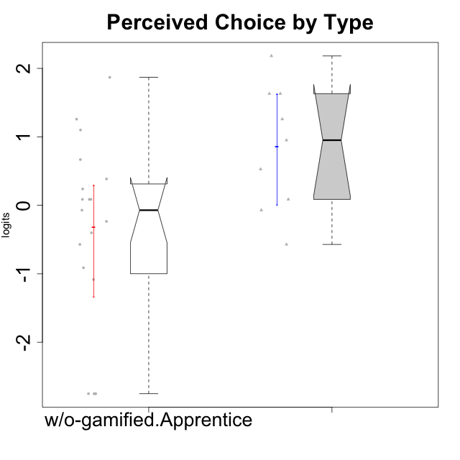

Wilcoxon data
UserID | NroUSP | Type | CLGroup | CLRole | PlayerRole | Score | theta | error | Outfit | Infit | Perceived Choice
10170 | 10260351 | w/o-gamified | Grupo11 | Apprentice |  | 24 | 1.258023018 | 0.42037807336 | 0.50758383515 | 0.49918850959 | 1.258023018
10171 | 698531 | ont-gamified | Mafia | Master | Social Achiever | 26 | 1.6300613239 | 0.47836970825 | 0.17315936022 | 0.14881745746 | 1.6300613239
10172 | 10273971 | w/o-gamified | Grupo5 | Apprentice |  | 9 | -1.0845524683 | 0.42394926551 | 0.26274025439 | 0.26326577511 | -1.0845524683
10175 | 10310700 | ont-gamified | Warriors | Master | Social Achiever | 28 | 2.1812873658 | 0.61896721665 | 0.78609062328 | 0.93986996552 | 2.1812873658
10176 | 10276949 | ont-gamified | Outlaws | Master | Social Achiever | 12 | -0.57154102194 | 0.41144968003 | 0.59836870699 | 0.59434027063 | -0.57154102194
10181 | 10276866 | w/o-gamified | Grupo2 | Apprentice |  | 16 | 0.086610046126 | 0.39404738848 | 1.560806075 | 1.5856818022 | 0.086610046126
10183 | 10352030 | w/o-gamified | Grupo3 | Apprentice |  | 17 | 0.23857900733 | 0.38924507716 | 0.91358729209 | 0.93217563945 | 0.23857900733
10184 | 10276675 | w/o-gamified | Grupo10 | Apprentice |  | 15 | -0.071370473876 | 0.39923833992 | 0.42618575395 | 0.4317752544 | -0.071370473876
10185 | 10276960 | w/o-gamified | Grupo9 | Apprentice |  | 12 | -0.57154102194 | 0.41144968003 | 1.7876743725 | 1.7766671743 | -0.57154102194
10188 | 10276995 | ont-gamified | Vandals | Master | Yee Achiever | 26 | 1.6300613239 | 0.47836970825 | 0.87812460428 | 0.86387005614 | 1.6300613239
10190 | 10276907 | w/o-gamified | Grupo4 | Apprentice |  | 10 | -0.91227220026 | 0.41842730215 | 1.4824699398 | 1.46959561 | -0.91227220026
10197 | 10276661 | w/o-gamified | Grupo8 | Apprentice |  | 20 | 0.66784937667 | 0.38403632416 | 0.92585447999 | 0.92291806245 | 0.66784937667
10199 | 10276737 | w/o-gamified | Grupo1 | Apprentice |  | 14 | -0.23481931294 | 0.4040863271 | 1.1121318381 | 1.1028861587 | -0.23481931294
10201 | 10276928 | w/o-gamified | Grupo11 | Apprentice |  | 16 | 0.086610046126 | 0.39404738848 | 0.26519609903 | 0.26275192015 | 0.086610046126
10204 | 10310471 | w/o-gamified | Grupo6 | Apprentice |  | 2 | -2.7515624252 | 0.671406981 | 0.41883287359 | 0.4179793041 | -2.7515624252
10206 | 10310721 | w/o-gamified | Grupo8 | Apprentice |  | 23 | 1.0996883149 | 0.40433795544 | 0.11548207383 | 0.11633520526 | 1.0996883149
10208 | 10276932 | ont-gamified | Mercenaries | Master | Social Achiever | 19 | 0.5275676747 | 0.38366535613 | 0.44495880941 | 0.44896288992 | 0.5275676747
10210 | 10277015 | w/o-gamified | Grupo6 | Apprentice |  | 2 | -2.7515624252 | 0.671406981 | 0.41883287359 | 0.4179793041 | -2.7515624252
10213 | 10277040 | w/o-gamified | Grupo7 | Apprentice |  | 2 | -2.7515624252 | 0.671406981 | 0.41883287359 | 0.4179793041 | -2.7515624252
10215 | 9285227 | ont-gamified | Vikings | Master | Social Achiever | 22 | 0.95107798127 | 0.3936833391 | 1.4330600087 | 1.4424506346 | 0.95107798127
10216 | 10276720 | ont-gamified | Silly Knights | Master | Social Achiever | 24 | 1.258023018 | 0.42037807336 | 0.50758383515 | 0.49918850959 | 1.258023018
10217 | 9805341 | w/o-gamified | Grupo9 | Apprentice |  | 16 | 0.086610046126 | 0.39404738848 | 0.67686831147 | 0.69899303272 | 0.086610046126
10218 | 9842913 | w/o-gamified | Grupo10 | Apprentice |  | 13 | -0.40217350736 | 0.40813771898 | 0.30123794665 | 0.29925663356 | -0.40217350736
10220 | 9760151 | w/o-gamified | Grupo3 | Apprentice |  | 27 | 1.8687847356 | 0.53116736368 | 1.9410165794 | 2.0343839452 | 1.8687847356
10223 | 9795185 | ont-gamified | Slayers | Master | Social Achiever | 16 | 0.086610046126 | 0.39404738848 | 0.20375745903 | 0.20394252805 | 0.086610046126
10226 | 10310342 | w/o-gamified | Grupo4 | Apprentice |  | 2 | -2.7515624252 | 0.671406981 | 0.41883287359 | 0.4179793041 | -2.7515624252
10230 | 10351992 | ont-gamified | Resistance | Master | Social Achiever | 15 | -0.071370473876 | 0.39923833992 | 0.64131563612 | 0.64538754425 | -0.071370473876
10232 | 10276974 | w/o-gamified | Grupo7 | Apprentice |  | 18 | 0.38510411336 | 0.38557524315 | 0.30228483405 | 0.29838902721 | 0.38510411336

Type_CLRole_5
Wilcoxon Analysis for Perceived Choice by Type in Type:CLRole between ont-gamified.Master:w/o-gamified.Master

Wilcoxon test results
Alternative hypothesis: less
Group | N | Median | Mean.Ranks | Sum.Ranks | U | Z | p.value | r | magnitude
ont-gamified.Master | 9 | 0.95107798127 | 11.5 | 103.5 | 58.5 | 2.1690544133 | 0.98724804607 | 0.52607296787 | large
w/o-gamified.Master | 8 | -0.74162338078 | 6.1875 | 49.5 | 58.5 | 2.1690544133 | 0.98724804607 | 0.52607296787 | large
Alternative hypothesis: greater
Group | N | Median | Mean.Ranks | Sum.Ranks | U | Z | p.value | r | magnitude
ont-gamified.Master | 9 | 0.95107798127 | 11.5 | 103.5 | 58.5 | 2.1690544133 | 0.01464417935 | 0.52607296787 | large
w/o-gamified.Master | 8 | -0.74162338078 | 6.1875 | 49.5 | 58.5 | 2.1690544133 | 0.01464417935 | 0.52607296787 | large
Alternative hypothesis: two.sided
Group | N | Median | Mean.Ranks | Sum.Ranks | U | Z | p.value | r | magnitude
ont-gamified.Master | 9 | 0.95107798127 | 11.5 | 103.5 | 58.5 | 2.1690544133 | 0.029123817359 | 0.52607296787 | large
w/o-gamified.Master | 8 | -0.74162338078 | 6.1875 | 49.5 | 58.5 | 2.1690544133 | 0.029123817359 | 0.52607296787 | large

Box plots for wilcoxon tests
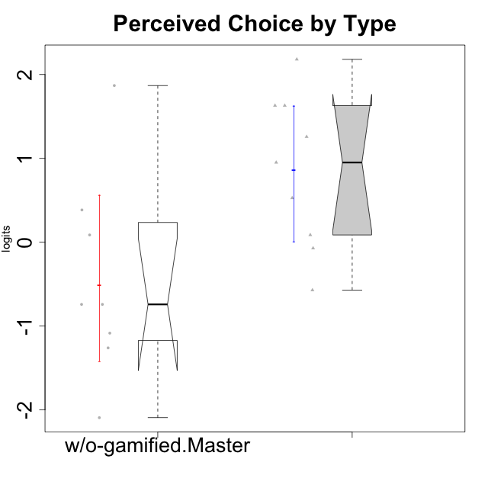

Wilcoxon data
UserID | NroUSP | Type | CLGroup | CLRole | PlayerRole | Score | theta | error | Outfit | Infit | Perceived Choice
10171 | 698531 | ont-gamified | Mafia | Master | Social Achiever | 26 | 1.6300613239 | 0.47836970825 | 0.17315936022 | 0.14881745746 | 1.6300613239
10174 | 10276852 | w/o-gamified | Grupo7 | Master |  | 16 | 0.086610046126 | 0.39404738848 | 0.20375745903 | 0.20394252805 | 0.086610046126
10175 | 10310700 | ont-gamified | Warriors | Master | Social Achiever | 28 | 2.1812873658 | 0.61896721665 | 0.78609062328 | 0.93986996552 | 2.1812873658
10176 | 10276949 | ont-gamified | Outlaws | Master | Social Achiever | 12 | -0.57154102194 | 0.41144968003 | 0.59836870699 | 0.59434027063 | -0.57154102194
10179 | 10310759 | w/o-gamified | Grupo10 | Master |  | 8 | -1.2606166597 | 0.4321910776 | 0.73475278407 | 0.71569984365 | -1.2606166597
10188 | 10276995 | ont-gamified | Vandals | Master | Yee Achiever | 26 | 1.6300613239 | 0.47836970825 | 0.87812460428 | 0.86387005614 | 1.6300613239
10191 | 10276981 | w/o-gamified | Grupo1 | Master |  | 11 | -0.74162338078 | 0.41458863371 | 0.2114600942 | 0.21222057382 | -0.74162338078
10208 | 10276932 | ont-gamified | Mercenaries | Master | Social Achiever | 19 | 0.5275676747 | 0.38366535613 | 0.44495880941 | 0.44896288992 | 0.5275676747
10215 | 9285227 | ont-gamified | Vikings | Master | Social Achiever | 22 | 0.95107798127 | 0.3936833391 | 1.4330600087 | 1.4424506346 | 0.95107798127
10216 | 10276720 | ont-gamified | Silly Knights | Master | Social Achiever | 24 | 1.258023018 | 0.42037807336 | 0.50758383515 | 0.49918850959 | 1.258023018
10219 | 10276831 | w/o-gamified | Grupo3 | Master |  | 11 | -0.74162338078 | 0.41458863371 | 3.8049732636 | 3.8089870396 | -0.74162338078
10223 | 9795185 | ont-gamified | Slayers | Master | Social Achiever | 16 | 0.086610046126 | 0.39404738848 | 0.20375745903 | 0.20394252805 | 0.086610046126
10227 | 9274382 | w/o-gamified | Grupo5 | Master |  | 18 | 0.38510411336 | 0.38557524315 | 0.1600549978 | 0.16258853349 | 0.38510411336
10230 | 10351992 | ont-gamified | Resistance | Master | Social Achiever | 15 | -0.071370473876 | 0.39923833992 | 0.64131563612 | 0.64538754425 | -0.071370473876
10231 | 10276911 | w/o-gamified | Grupo9 | Master |  | 27 | 1.8687847356 | 0.53116736368 | 0.43849356169 | 0.47856731577 | 1.8687847356
10234 | 10310676 | w/o-gamified | Grupo4 | Master |  | 4 | -2.0928540409 | 0.52394719458 | 0.27054351167 | 0.26174903584 | -2.0928540409
10238 | 10276953 | w/o-gamified | Grupo2 | Master |  | 9 | -1.0845524683 | 0.42394926551 | 0.56258459481 | 0.53485551484 | -1.0845524683

Type_CLRole_6
Wilcoxon Analysis for Perceived Choice by Type in Type:CLRole between w/o-gamified.Apprentice:w/o-gamified.Master

Wilcoxon test results
Alternative hypothesis: less
Group | N | Median | Mean.Ranks | Sum.Ranks | U | Z | p.value | r | magnitude
w/o-gamified.Apprentice | 19 | -0.071370473876 | 14.368421053 | 273 | 83 | 0.37306502141 | 0.64721732374 | 0.071796396845 | none
w/o-gamified.Master | 8 | -0.74162338078 | 13.125 | 105 | 83 | 0.37306502141 | 0.64721732374 | 0.071796396845 | none
Alternative hypothesis: greater
Group | N | Median | Mean.Ranks | Sum.Ranks | U | Z | p.value | r | magnitude
w/o-gamified.Apprentice | 19 | -0.071370473876 | 14.368421053 | 273 | 83 | 0.37306502141 | 0.36236613628 | 0.071796396845 | none
w/o-gamified.Master | 8 | -0.74162338078 | 13.125 | 105 | 83 | 0.37306502141 | 0.36236613628 | 0.071796396845 | none
Alternative hypothesis: two.sided
Group | N | Median | Mean.Ranks | Sum.Ranks | U | Z | p.value | r | magnitude
w/o-gamified.Apprentice | 19 | -0.071370473876 | 14.368421053 | 273 | 83 | 0.37306502141 | 0.72437057307 | 0.071796396845 | none
w/o-gamified.Master | 8 | -0.74162338078 | 13.125 | 105 | 83 | 0.37306502141 | 0.72437057307 | 0.071796396845 | none

Box plots for wilcoxon tests
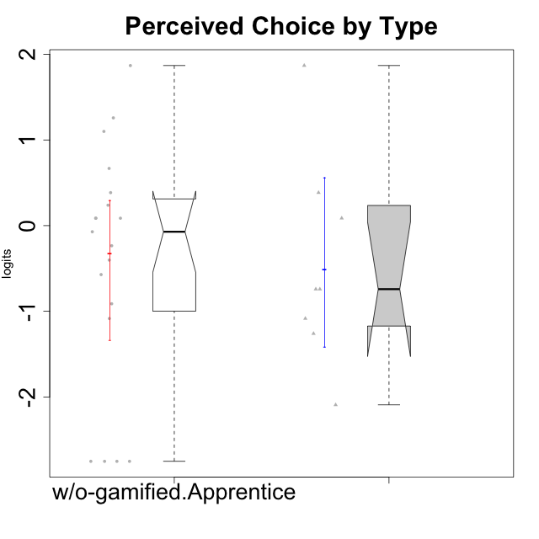

Wilcoxon data
UserID | NroUSP | Type | CLGroup | CLRole | PlayerRole | Score | theta | error | Outfit | Infit | Perceived Choice
10170 | 10260351 | w/o-gamified | Grupo11 | Apprentice |  | 24 | 1.258023018 | 0.42037807336 | 0.50758383515 | 0.49918850959 | 1.258023018
10172 | 10273971 | w/o-gamified | Grupo5 | Apprentice |  | 9 | -1.0845524683 | 0.42394926551 | 0.26274025439 | 0.26326577511 | -1.0845524683
10174 | 10276852 | w/o-gamified | Grupo7 | Master |  | 16 | 0.086610046126 | 0.39404738848 | 0.20375745903 | 0.20394252805 | 0.086610046126
10179 | 10310759 | w/o-gamified | Grupo10 | Master |  | 8 | -1.2606166597 | 0.4321910776 | 0.73475278407 | 0.71569984365 | -1.2606166597
10181 | 10276866 | w/o-gamified | Grupo2 | Apprentice |  | 16 | 0.086610046126 | 0.39404738848 | 1.560806075 | 1.5856818022 | 0.086610046126
10183 | 10352030 | w/o-gamified | Grupo3 | Apprentice |  | 17 | 0.23857900733 | 0.38924507716 | 0.91358729209 | 0.93217563945 | 0.23857900733
10184 | 10276675 | w/o-gamified | Grupo10 | Apprentice |  | 15 | -0.071370473876 | 0.39923833992 | 0.42618575395 | 0.4317752544 | -0.071370473876
10185 | 10276960 | w/o-gamified | Grupo9 | Apprentice |  | 12 | -0.57154102194 | 0.41144968003 | 1.7876743725 | 1.7766671743 | -0.57154102194
10190 | 10276907 | w/o-gamified | Grupo4 | Apprentice |  | 10 | -0.91227220026 | 0.41842730215 | 1.4824699398 | 1.46959561 | -0.91227220026
10191 | 10276981 | w/o-gamified | Grupo1 | Master |  | 11 | -0.74162338078 | 0.41458863371 | 0.2114600942 | 0.21222057382 | -0.74162338078
10197 | 10276661 | w/o-gamified | Grupo8 | Apprentice |  | 20 | 0.66784937667 | 0.38403632416 | 0.92585447999 | 0.92291806245 | 0.66784937667
10199 | 10276737 | w/o-gamified | Grupo1 | Apprentice |  | 14 | -0.23481931294 | 0.4040863271 | 1.1121318381 | 1.1028861587 | -0.23481931294
10201 | 10276928 | w/o-gamified | Grupo11 | Apprentice |  | 16 | 0.086610046126 | 0.39404738848 | 0.26519609903 | 0.26275192015 | 0.086610046126
10204 | 10310471 | w/o-gamified | Grupo6 | Apprentice |  | 2 | -2.7515624252 | 0.671406981 | 0.41883287359 | 0.4179793041 | -2.7515624252
10206 | 10310721 | w/o-gamified | Grupo8 | Apprentice |  | 23 | 1.0996883149 | 0.40433795544 | 0.11548207383 | 0.11633520526 | 1.0996883149
10210 | 10277015 | w/o-gamified | Grupo6 | Apprentice |  | 2 | -2.7515624252 | 0.671406981 | 0.41883287359 | 0.4179793041 | -2.7515624252
10213 | 10277040 | w/o-gamified | Grupo7 | Apprentice |  | 2 | -2.7515624252 | 0.671406981 | 0.41883287359 | 0.4179793041 | -2.7515624252
10217 | 9805341 | w/o-gamified | Grupo9 | Apprentice |  | 16 | 0.086610046126 | 0.39404738848 | 0.67686831147 | 0.69899303272 | 0.086610046126
10218 | 9842913 | w/o-gamified | Grupo10 | Apprentice |  | 13 | -0.40217350736 | 0.40813771898 | 0.30123794665 | 0.29925663356 | -0.40217350736
10219 | 10276831 | w/o-gamified | Grupo3 | Master |  | 11 | -0.74162338078 | 0.41458863371 | 3.8049732636 | 3.8089870396 | -0.74162338078
10220 | 9760151 | w/o-gamified | Grupo3 | Apprentice |  | 27 | 1.8687847356 | 0.53116736368 | 1.9410165794 | 2.0343839452 | 1.8687847356
10226 | 10310342 | w/o-gamified | Grupo4 | Apprentice |  | 2 | -2.7515624252 | 0.671406981 | 0.41883287359 | 0.4179793041 | -2.7515624252
10227 | 9274382 | w/o-gamified | Grupo5 | Master |  | 18 | 0.38510411336 | 0.38557524315 | 0.1600549978 | 0.16258853349 | 0.38510411336
10231 | 10276911 | w/o-gamified | Grupo9 | Master |  | 27 | 1.8687847356 | 0.53116736368 | 0.43849356169 | 0.47856731577 | 1.8687847356
10232 | 10276974 | w/o-gamified | Grupo7 | Apprentice |  | 18 | 0.38510411336 | 0.38557524315 | 0.30228483405 | 0.29838902721 | 0.38510411336
10234 | 10310676 | w/o-gamified | Grupo4 | Master |  | 4 | -2.0928540409 | 0.52394719458 | 0.27054351167 | 0.26174903584 | -2.0928540409
10238 | 10276953 | w/o-gamified | Grupo2 | Master |  | 9 | -1.0845524683 | 0.42394926551 | 0.56258459481 | 0.53485551484 | -1.0845524683

