Assumptions
ANOVA assumptions for Perceived Choice by Type

Shapiro-Wilk normality test for Perceived Choice by Type
W | p.value
0.978707324 | 0.4855326027

Plots for normality test
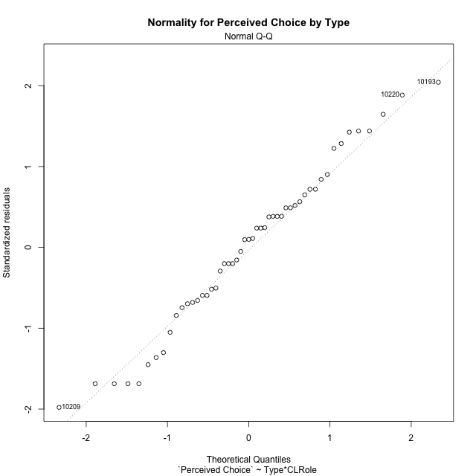

Levene's Test for Homogeneity of Variance in Perceived Choice by Type
Df | F value | Pr(>F)
3 | 0.2613038658 | 0.85290031821
47

Plots for homogeneity of variance
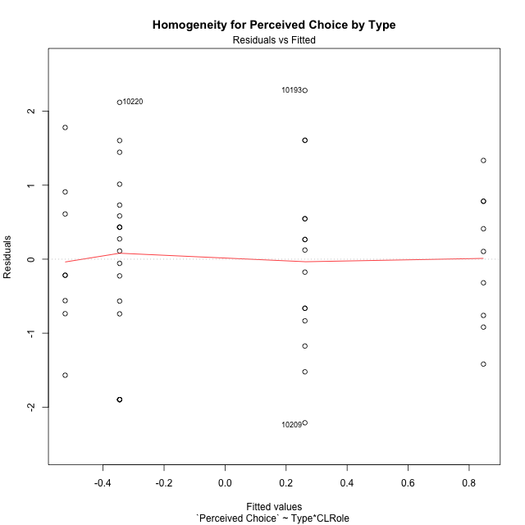

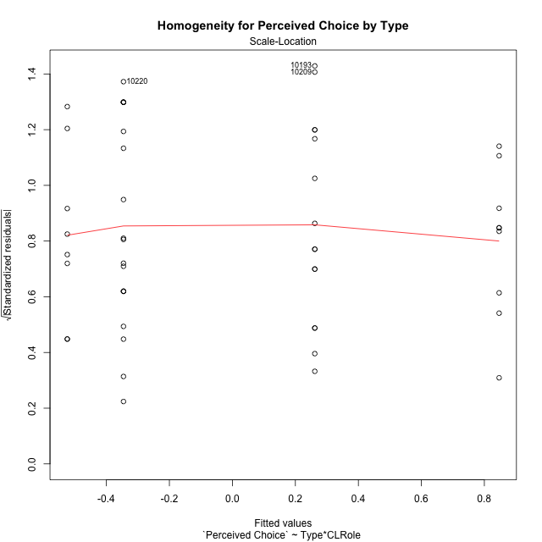

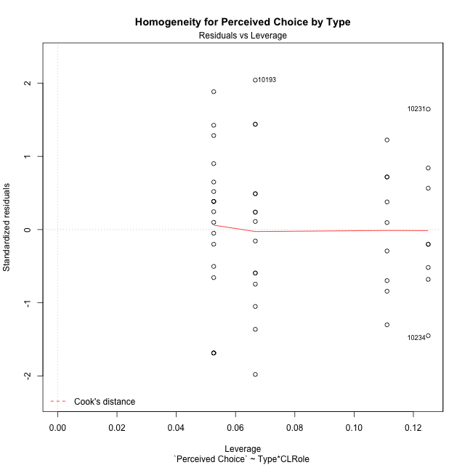

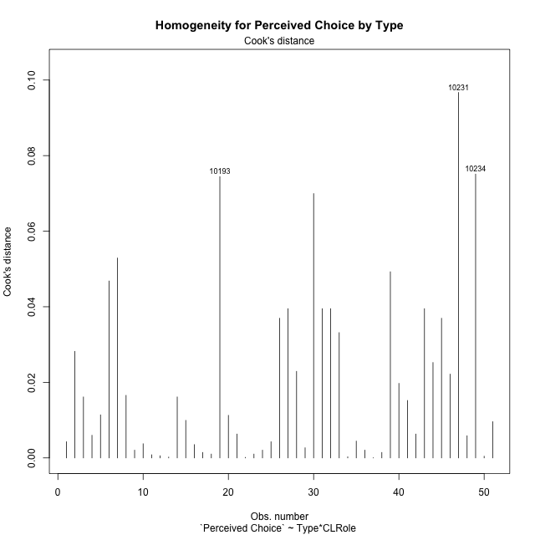

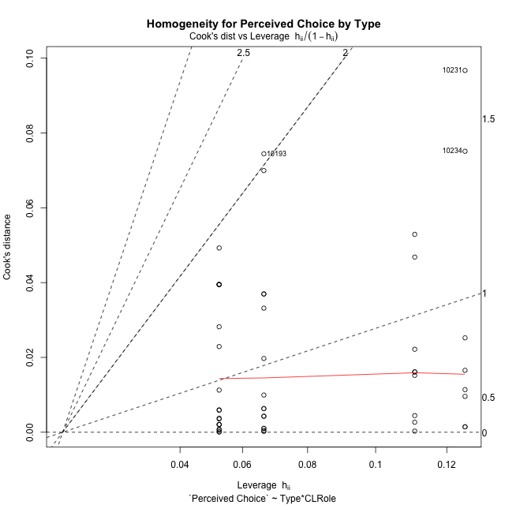

Minimum Sample Size Test for Perceived Choice by Type
Type | CLRole | Freq
ont-gamified | Apprentice | 15
w/o-gamified | Apprentice | 19
ont-gamified | Master | 9
w/o-gamified | Master | 8

Errors and Warnings in Sample Size Test for ANOVA in Perceived Choice by Type
code | description
WARN: sample.size | current size is 9 and recommended size is 15 for the group: 'ont-gamified:Master'.
WARN: sample.size | current size is 8 and recommended size is 15 for the group: 'w/o-gamified:Master'.

For the group: 'ont-gamified:Apprentice', you can perform a parametric test without having a normal distribution For the group: 'w/o-gamified:Apprentice', you can perform a parametric test without having a normal distribution For the group: 'ont-gamified:Master', we recommend the use of non-parametric test. For the group: 'w/o-gamified:Master', we recommend the use of non-parametric test.

If you don't want to remove non-normal data, you must cite the following references: ... (1) Lix, L.M., J.C. Keselman, and H.J. Keselman. 1996. Consequences of assumption violations revisited: A quantitative review of alternatives to the one-way analysis of variance F test. Rev. Educ. Res. 66: 579-619. ... (2) Harwell, M.R., E.N. Rubinstein, W.S. Hayes, and C.C. Olds. 1992. Summarizing Monte Carlo results in methodological research: the one- and two-factor fixed effects ANOVA cases. J. Educ. Stat. 17: 315-339.

Post-hoc
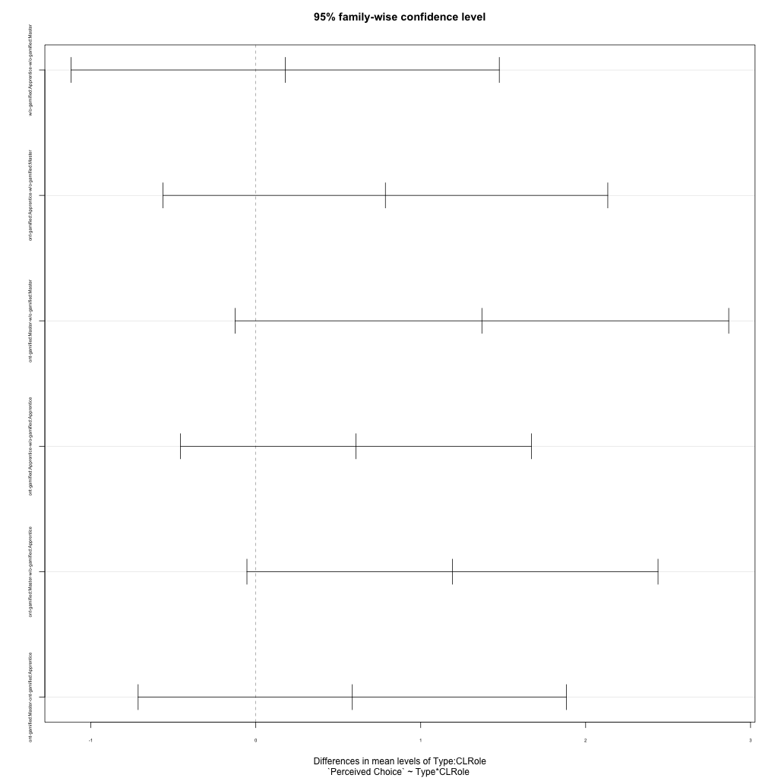
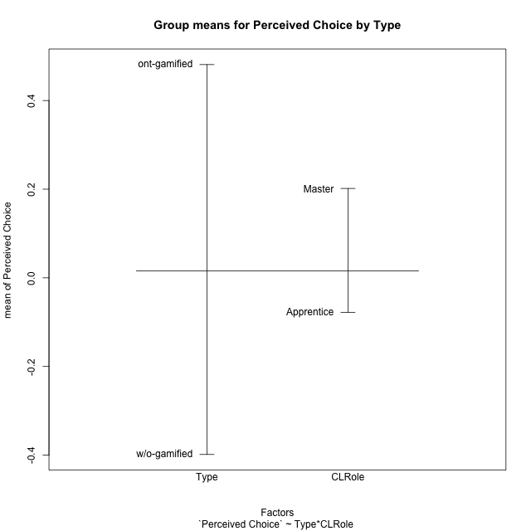
Post-hoc Tukey Honestly Significant Difference (HSD) Test for Perceived Choice by Type

Comparisons of means for Type
 | diff | lwr | upr | p adj
ont-gamified-w/o-gamified | 0.87970925673 | 0.22707833444 | 1.532340179 | 0.0093199079134

Comparisons of means for CLRole
 | diff | lwr | upr | p adj
Master-Apprentice | 0.20175997683 | -0.48926099972 | 0.89278095338 | 0.55976302544

Comparisons of means for Type:CLRole
 | diff | lwr | upr | p adj
w/o-gamified:Apprentice-w/o-gamified:Master | 0.17853305286 | -1.1195211688 | 1.4765872746 | 0.98299275088
ont-gamified:Apprentice-w/o-gamified:Master | 0.78589775826 | -0.562462802 | 2.1342583185 | 0.41528598243
ont-gamified:Master-w/o-gamified:Master | 1.3710867423 | -0.12546231726 | 2.8676358018 | 0.083345907636
ont-gamified:Apprentice-w/o-gamified:Apprentice | 0.60736470541 | -0.45641028169 | 1.6711396925 | 0.43354691671
ont-gamified:Master-w/o-gamified:Apprentice | 1.1925536894 | -0.053720802935 | 2.4388281817 | 0.065330816583
ont-gamified:Master-ont-gamified:Apprentice | 0.58518898399 | -0.71339930653 | 1.8837772745 | 0.62976535262

Contrast Matrices for Perceived Choice by Type - Type
contrast | estimate | SE | df | t.ratio | p.value
ont-gamified - w/o-gamified | 0.98922572383 | 0.34469305479 | 47 | 2.869874255 | 0.0061360787253

Contrast Matrices for Perceived Choice by Type - Type:CLRole
contrast | CLRole | estimate | SE | df | t.ratio | p.value
ont-gamified - w/o-gamified | Apprentice | 0.60736470541 | 0.39940650015 | 47 | 1.5206680542 | 0.13504279605
ont-gamified - w/o-gamified | Master | 1.3710867423 | 0.56189648132 | 47 | 2.440105585 | 0.018508701345

Least Squares Means and Confidence Intervals for Type
Type | lsmean | SE | df | lower.CL | upper.CL | Pairs
ont-gamified | 0.55426964555 | 0.24378492188 | 47 | 0.06383764157 | 1.0447016495 | ont-gamified
w/o-gamified | -0.43495607828 | 0.24368466075 | 47 | -0.92518638289 | 0.055274226322 | w/o-gamified

Least Squares Means and Confidence Intervals for Type:CLRole
Type | CLRole | lsmean | SE | df | lower.CL | upper.CL | Pairs
ont-gamified | Apprentice | 0.26167515355 | 0.29857433279 | 47 | -0.33897892809 | 0.86232923519 | ont-gamified.Apprentice
w/o-gamified | Apprentice | -0.34568955186 | 0.26529025644 | 47 | -0.87938470863 | 0.18800560491 | w/o-gamified.Apprentice
ont-gamified | Master | 0.84686413755 | 0.38545780617 | 47 | 0.071423052539 | 1.6223052226 | ont-gamified.Master
w/o-gamified | Master | -0.52422260471 | 0.40883974291 | 47 | -1.3467020791 | 0.29825686972 | w/o-gamified.Master

Plots

Type_1
Student's t-Test for Perceived Choice by Type in Type between ont-gamified:w/o-gamified

Student's t-Test results
Alternative hypothesis: less
Group | N | Mean | Mean.Difference | Std.deviation | Std.error | CI.lower | CI.upper | df | t.value | p.value | g | magnitude
ont-gamified | 24 | 0.48112102255 | 0.87970925673 | 1.1413306821 | 0.23297314992 | 0.015174722718 | 0.94706732238 | 48.47620584 | 2.7262285133 | 0.99555484182 | 0.7523165573 | medium
w/o-gamified | 27 | -0.39858823418 | -0.87970925673 | 1.1601301765 | 0.22326715656 | -0.8451225473 | 0.047946078929 | 48.47620584 | 2.7262285133 | 0.99555484182 | 0.7523165573 | medium
Alternative hypothesis: greater
Group | N | Mean | Mean.Difference | Std.deviation | Std.error | CI.lower | CI.upper | df | t.value | p.value | g | magnitude
ont-gamified | 24 | 0.48112102255 | 0.87970925673 | 1.1413306821 | 0.23297314992 | 0.015174722718 | 0.94706732238 | 48.47620584 | 2.7262285133 | 0.0044451581764 | 0.7523165573 | medium
w/o-gamified | 27 | -0.39858823418 | -0.87970925673 | 1.1601301765 | 0.22326715656 | -0.8451225473 | 0.047946078929 | 48.47620584 | 2.7262285133 | 0.0044451581764 | 0.7523165573 | medium
Alternative hypothesis: two.sided
Group | N | Mean | Mean.Difference | Std.deviation | Std.error | CI.lower | CI.upper | df | t.value | p.value | g | magnitude
ont-gamified | 24 | 0.48112102255 | 0.87970925673 | 1.1413306821 | 0.23297314992 | 0.015174722718 | 0.94706732238 | 48.47620584 | 2.7262285133 | 0.0088903163528 | 0.7523165573 | medium
w/o-gamified | 27 | -0.39858823418 | -0.87970925673 | 1.1601301765 | 0.22326715656 | -0.8451225473 | 0.047946078929 | 48.47620584 | 2.7262285133 | 0.0088903163528 | 0.7523165573 | medium

Box plots for Student's t-Test
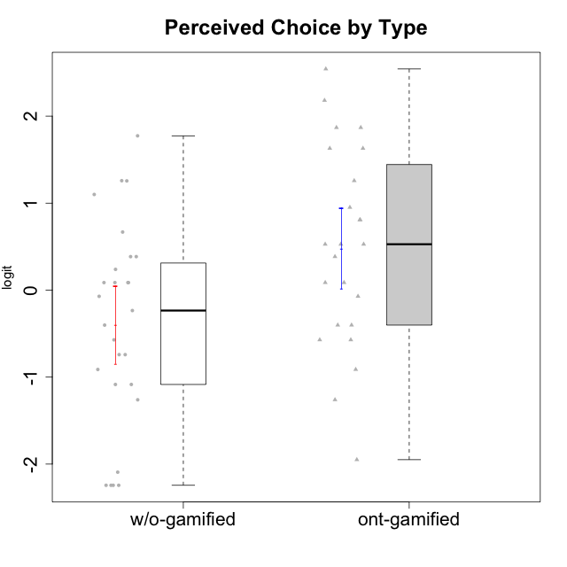

Student's t-Test data
UserID | NroUSP | Type | CLGroup | CLRole | PlayerRole | Interest/Enjoyment | Perceived Choice | Pressure/Tension | Effort/Importance | Intrinsic Motivation | Attention | Relevance | Satisfaction | Level of Motivation
10169 | 10377538 | ont-gamified | Resistance | Apprentice | Social Achiever | 2.5722949777 | 0.80816445192 | 1.7682086673 | -1.0730990233 | 0.70848988959 | 2.5517002998 | 0.52718593153 | 3.6356938349 | 1.1620306152
10170 | 10260351 | w/o-gamified | Grupo11 | Apprentice |  | 0.72072301776 | 1.258023018 | -0.34516387181 | -0.22200760026 | 0.52547557682 | 0.84350057928 | 0.37434421836 | 0.13276619304 | 0.32914228741
10171 | 698531 | ont-gamified | Mafia | Master | Social Achiever | 2.3034225228 | 1.6300613239 | -0.75200607827 | 1.518556211 | 1.3533005189 | 1.1666943908 | 1.0736189053 | 1.1149392569 | 0.79496629612
10172 | 10273971 | w/o-gamified | Grupo5 | Apprentice |  | 1.7947392768 | -1.0845524683 | 0.49843383845 | -1.4108634958 | -0.29977763144 | 1.1666943908 | -1.1531983773 | 0.81696357931 | 0.22593386836
10174 | 10276852 | w/o-gamified | Grupo7 | Master |  | 1.1160486233 | 0.086610046126 | 0.27439066512 | -0.48050764026 | 0.055929297679 | 1.314038185 | -0.76124031117 | 0.81696357931 | 0.38141778425
10175 | 10310700 | ont-gamified | Warriors | Master | Social Achiever | 0.51184859303 | 2.1812873658 | -1.5713683016 | 0.80189142729 | 1.3533005189 | 1.314038185 | 1.0736189053 | 1.4157323614 | 0.79496629612
10176 | 10276949 | ont-gamified | Outlaws | Master | Social Achiever | 0.30539635193 | -0.57154102194 | 0.67392894551 | -1.0730990233 | -0.5032931597 | 0.47008248054 | -0.31085692253 | -0.29150836955 | 0.025029761034
10179 | 10310759 | w/o-gamified | Grupo10 | Master |  | 0.1094723335 | -1.2606166597 | -1.216895256 | 1.1239667538 | 0.30411727392 | -0.34412978221 | 0.37434421836 | -0.29150836955 | -0.072588557506
10181 | 10276866 | w/o-gamified | Grupo2 | Apprentice |  | -1.2497873738 | 0.086610046126 | 0.098420182851 | -1.7760720264 | -0.75941738424 | 0.27645367958 | -0.07817697892 | -2.5320276059 | -0.26267223869
10183 | 10352030 | w/o-gamified | Grupo3 | Apprentice |  | -0.68535465006 | 0.23857900733 | 0.88651569834 | -1.0730990233 | -0.60159759109 | -1.246535435 | -1.1531983773 | -1.6155994522 | -0.87591915854
10184 | 10276675 | w/o-gamified | Grupo10 | Apprentice |  | 0.30539635193 | -0.071370473876 | 0.21805805011 | -1.0730990233 | -0.26428279884 | -0.067931029733 | 0.075225753988 | 0.49859220193 | -0.02401327559
10185 | 10276960 | w/o-gamified | Grupo9 | Apprentice |  | 1.4693286385 | -0.57154102194 | 0.49843383845 | -0.48050764026 | -0.020288465547 | -0.067931029733 | -0.76124031117 | 0.49859220193 | -0.16840949963
10186 | 10310551 | ont-gamified | Slayers | Apprentice | Social Achiever | 0.30539635193 | 0.38510411336 | 1.152083697 | 1.9877873911 | 0.46699961822 | -0.34412978221 | 0.52718593153 | 2.1423827334 | 0.27731428888
10188 | 10276995 | ont-gamified | Vandals | Master | Yee Achiever | -0.54344508478 | 1.6300613239 | -1.5713683016 | 0.0236444457 | 0.76644358571 | -0.4650700203 | 1.2636388753 | -1.3432378563 | -0.072588557506
10189 | 9363926 | ont-gamified | Vikings | Apprentice | Social Achiever | -1.4049952502 | -0.57154102194 | -0.59711488184 | 0.52323555073 | -0.2140464599 | -2.2204063168 | -0.57911350986 | -1.6155994522 | -0.92720578406
10190 | 10276907 | w/o-gamified | Grupo4 | Apprentice |  | -0.39586837009 | -0.91227220026 | 0.67392894551 | -0.76239209582 | -0.68611540292 | 1.0109029019 | -0.95156463626 | -0.70444226066 | 0.025029761034
10191 | 10276981 | w/o-gamified | Grupo1 | Master |  | -1.1036517025 | -0.74162338078 | -1.216895256 | -0.22200760026 | -0.027942256383 | -0.4650700203 | -0.23761607876 | 0.13276619304 | -0.21571496426
10192 | 10276682 | ont-gamified | Attractive Devils | Apprentice | Social Achiever | 0.51184859303 | 0.5275676747 | 0.49843383845 | 0.52323555073 | 0.266054495 | 1.314038185 | -0.07817697892 | 2.7049118272 | 0.87854245305
10193 | 10276762 | ont-gamified | Vandals | Apprentice | Yee Achiever | -1.5485977916 | 2.5424878036 | -0.23278238294 | 0.0236444457 | 0.42130658535 | -2.7095207918 | 1.2636388753 | -3.0276263326 | -0.87591915854
10197 | 10276661 | w/o-gamified | Grupo8 | Apprentice |  | -0.072113283119 | 0.66784937667 | 0.098420182851 | -0.22200760026 | 0.068827077609 | 1.314038185 | 0.2250079886 | -1.0485799697 | 0.27731428888
10198 | 10310888 | ont-gamified | Attractive Devils | Apprentice | Social Achiever | 0.51184859303 | -0.40217350736 | 0.49843383845 | 0.52323555073 | 0.033619199488 | 1.8806202821 | 0.37434421836 | 2.7049118272 | 1.1620306152
10199 | 10276737 | w/o-gamified | Grupo1 | Apprentice |  | -0.54344508478 | -0.23481931294 | -0.014243883551 | -0.76239209582 | -0.3816031525 | -0.34412978221 | -0.07817697892 | 0.49859220193 | -0.02401327559
10200 | 9795272 | ont-gamified | Warriors | Apprentice | Social Achiever | 1.1160486233 | 0.5275676747 | 0.88651569834 | 1.5421043723 | 0.57480124298 | 1.1666943908 | 0.37434421836 | 1.7446778656 | 0.76242378778
10201 | 10276928 | w/o-gamified | Grupo11 | Apprentice |  | 1.7947392768 | 0.086610046126 | -0.12357408627 | 0.0236444457 | 0.50714196371 | 1.0109029019 | -0.76124031117 | 1.4157323614 | 0.4341496506
10202 | 10277036 | ont-gamified | Silly Knights | Apprentice | Social Achiever | -0.54344508478 | 0.80816445192 | 0.098420182851 | 0.52323555073 | 0.17238368376 | -0.57902078051 | -0.07817697892 | 0.81696357931 | -0.12071221246
10203 | 9921470 | ont-gamified | Mercenaries | Apprentice | Social Achiever | 0.72072301776 | 1.8687847356 | -0.014243883551 | 1.9877873911 | 1.2112895623 | 0.66245909017 | -0.40449941825 | 2.1423827334 | 0.48735857189
10204 | 10310471 | w/o-gamified | Grupo6 | Apprentice |  | -2.0983497632 | -2.2436026144 | 1.2310656609 | 0.0236444457 | -1.2414419236 | -2.1248244064 | -0.23761607876 | -1.8872542901 | -0.91750976976
10206 | 10310721 | w/o-gamified | Grupo8 | Apprentice |  | 0.1094723335 | 1.0996883149 | -0.12357408627 | 0.52323555073 | 0.46399257134 | 0.66245909017 | 0.075225753988 | 1.1149392569 | 0.4341496506
10208 | 10276932 | ont-gamified | Mercenaries | Master | Social Achiever | 0.30539635193 | 0.5275676747 | -0.46470826867 | 0.52323555073 | 0.45522696151 | -1.0124865199 | -0.31085692253 | 0.13276619304 | -0.54058185084
10209 | 10262669 | ont-gamified | Mafia | Apprentice | Social Achiever | -1.1036517025 | -1.9493314876 | -1.2436466681 | -0.22200760026 | -0.70839376496 | -1.1259635053 | -0.23761607876 | -1.8872542901 | -0.72842495738
10210 | 10277015 | w/o-gamified | Grupo6 | Apprentice |  | -2.0983497632 | -2.2436026144 | 1.2310656609 | 1.2766443287 | -1.2414419236 | -2.1248244064 | -1.4199928331 | -3.3701614488 | -0.91750976976
10213 | 10277040 | w/o-gamified | Grupo7 | Apprentice |  | 0.30539635193 | -2.2436026144 | 0.21805805011 | 1.2766443287 | -0.0836606047 | 1.5958469796 | 1.2636388753 | 1.7446778656 | 0.86948321858
10214 | 10277022 | ont-gamified | Vikings | Apprentice | Social Achiever | -1.5485977916 | -1.2606166597 | 0.34930127605 | 1.9877873911 | -0.50051659316 | -1.246535435 | -0.95156463626 | -0.70444226066 | -0.6807998615
10215 | 9285227 | ont-gamified | Vikings | Master | Social Achiever | 0.51184859303 | 0.95107798127 | -0.34516387181 | -0.48050764026 | 0.33189570146 | -0.6885839594 | 1.0736189053 | -1.8872542901 | -0.16840949963
10216 | 10276720 | ont-gamified | Silly Knights | Master | Social Achiever | 1.2974006096 | 1.258023018 | -1.5713683016 | 0.52323555073 | 1.2585432091 | -0.067931029733 | 0.86656034259 | 1.1149392569 | 0.4341496506
10217 | 9805341 | w/o-gamified | Grupo9 | Apprentice |  | 0.92364048531 | 0.086610046126 | -0.79494956067 | -0.76239209582 | 0.5508430234 | -0.067931029733 | 0.2250079886 | -0.29150836955 | 0.025029761034
10218 | 9842913 | w/o-gamified | Grupo10 | Apprentice |  | 0.51184859303 | -0.40217350736 | 0.34930127605 | -0.76239209582 | -0.25050457155 | 0.094906564934 | -0.07817697892 | -1.0485799697 | -0.12071221246
10219 | 10276831 | w/o-gamified | Grupo3 | Master |  | -1.5744672385 | -0.74162338078 | -1.216895256 | -2.2376596092 | -0.76978801042 | -1.3780636632 | -0.76124031117 | -3.2870046937 | -0.91750976976
10220 | 9760151 | w/o-gamified | Grupo3 | Apprentice |  | -0.96282466304 | 1.7739639885 | -0.79494956067 | 0.80189142729 | 0.91584128946 | -1.9192991679 | 1.0736189053 | 1.7446778656 | -0.072588557506
10221 | 9082496 | ont-gamified | Warriors | Apprentice | Social Achiever | -0.82428435562 | -0.91227220026 | -0.014243883551 | 0.26813391546 | -0.36354468922 | -0.79598215936 | -1.3472553267 | -0.29150836955 | -0.58699880409
10223 | 9795185 | ont-gamified | Slayers | Master | Social Achiever | 1.634244949 | 0.086610046126 | 0.098420182851 | -0.48050764026 | 0.28548179301 | -0.067931029733 | 0.2250079886 | 0.13276619304 | 0.074548181131
10224 | 9368772 | ont-gamified | Mercenaries | Apprentice | Social Achiever | 0.51184859303 | -0.40217350736 | 0.88651569834 | -0.76239209582 | -0.38480817712 | 0.47008248054 | -0.07817697892 | 0.81696357931 | 0.27731428888
10226 | 10310342 | w/o-gamified | Grupo4 | Apprentice |  | -1.9940956984 | -2.2436026144 | 1.2310656609 | -2.2376596092 | -1.2414419236 | -0.34412978221 | -0.23761607876 | -1.6155994522 | -0.44818529425
10227 | 9274382 | w/o-gamified | Grupo5 | Master |  | 0.92364048531 | 0.38510411336 | 0.21805805011 | -0.76239209582 | 0.082073613185 | 1.4307888862 | 0.2250079886 | 1.7446778656 | 0.86948321858
10228 | 10310492 | ont-gamified | Resistance | Apprentice | Social Achiever | -1.5485977916 | 1.8687847356 | 0.098420182851 | 0.0236444457 | -0.12322144433 | -1.246535435 | 0.075225753988 | -0.29150836955 | -0.44818529425
10230 | 10351992 | ont-gamified | Resistance | Master | Social Achiever | 1.1160486233 | -0.071370473876 | 0.34930127605 | -0.22200760026 | 0.11834231828 | 0.84350057928 | 0.075225753988 | -0.29150836955 | 0.22593386836
10231 | 10276911 | w/o-gamified | Grupo9 | Master |  | 1.1160486233 | 1.2557749333 | -1.216895256 | -1.0730990233 | 0.88347077024 | 0.094906564934 | -0.07817697892 | 1.1149392569 | 0.22593386836
10232 | 10276974 | w/o-gamified | Grupo7 | Apprentice |  | 1.1160486233 | 0.38510411336 | -0.23278238294 | 1.1239667538 | 0.71447546835 | 1.0109029019 | 0.6887210576 | 1.4157323614 | 0.81990220965
10234 | 10310676 | w/o-gamified | Grupo4 | Master |  | -1.7661895627 | -2.0928540409 | -0.46470826867 | -2.2376596092 | -0.85548372894 | -0.57902078051 | 0.6887210576 | -2.5320276059 | -0.40201832289
10237 | 10377688 | ont-gamified | Outlaws | Apprentice | Social Achiever | 0.51184859303 | 0.086610046126 | 0.88651569834 | -0.22200760026 | -0.12751616486 | -0.21302018421 | -0.07817697892 | 0.13276619304 | -0.02401327559
10238 | 10276953 | w/o-gamified | Grupo2 | Master |  | 0.30539635193 | -1.0845524683 | 0.27439066512 | 0.80189142729 | -0.28233709651 | 0.47008248054 | -0.07817697892 | -1.0485799697 | 0.025029761034

Type_CLRole_1
Student's t-Test for Perceived Choice by Type in Type:CLRole between ont-gamified.Apprentice:ont-gamified.Master

Student's t-Test results
Alternative hypothesis: less
Group | N | Mean | Mean.Difference | Std.deviation | Std.error | CI.lower | CI.upper | df | t.value | p.value | g | magnitude
ont-gamified.Apprentice | 15 | 0.26167515355 | -0.58518898399 | 1.2338095604 | 0.31856825866 | -0.37546136377 | 0.89881167088 | 20.800299809 | -1.3256959059 | 0.099658395725 | -0.50052085355 | medium
ont-gamified.Master | 9 | 0.84686413755 | 0.58518898399 | 0.91667590242 | 0.30555863414 | 0.23574686927 | 1.4579814058 | 20.800299809 | -1.3256959059 | 0.099658395725 | -0.50052085355 | medium
Alternative hypothesis: greater
Group | N | Mean | Mean.Difference | Std.deviation | Std.error | CI.lower | CI.upper | df | t.value | p.value | g | magnitude
ont-gamified.Apprentice | 15 | 0.26167515355 | -0.58518898399 | 1.2338095604 | 0.31856825866 | -0.37546136377 | 0.89881167088 | 20.800299809 | -1.3256959059 | 0.90034160427 | -0.50052085355 | medium
ont-gamified.Master | 9 | 0.84686413755 | 0.58518898399 | 0.91667590242 | 0.30555863414 | 0.23574686927 | 1.4579814058 | 20.800299809 | -1.3256959059 | 0.90034160427 | -0.50052085355 | medium
Alternative hypothesis: two.sided
Group | N | Mean | Mean.Difference | Std.deviation | Std.error | CI.lower | CI.upper | df | t.value | p.value | g | magnitude
ont-gamified.Apprentice | 15 | 0.26167515355 | -0.58518898399 | 1.2338095604 | 0.31856825866 | -0.37546136377 | 0.89881167088 | 20.800299809 | -1.3256959059 | 0.19931679145 | -0.50052085355 | medium
ont-gamified.Master | 9 | 0.84686413755 | 0.58518898399 | 0.91667590242 | 0.30555863414 | 0.23574686927 | 1.4579814058 | 20.800299809 | -1.3256959059 | 0.19931679145 | -0.50052085355 | medium

Box plots for Student's t-Test
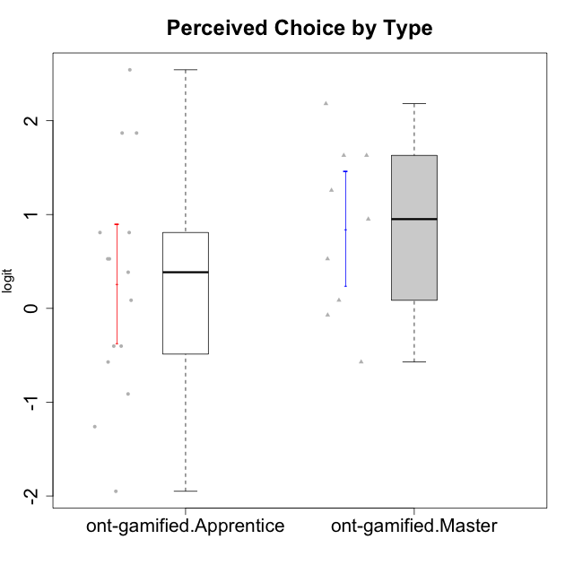

Student's t-Test data
UserID | NroUSP | Type | CLGroup | CLRole | PlayerRole | Interest/Enjoyment | Perceived Choice | Pressure/Tension | Effort/Importance | Intrinsic Motivation | Attention | Relevance | Satisfaction | Level of Motivation
10169 | 10377538 | ont-gamified | Resistance | Apprentice | Social Achiever | 2.5722949777 | 0.80816445192 | 1.7682086673 | -1.0730990233 | 0.70848988959 | 2.5517002998 | 0.52718593153 | 3.6356938349 | 1.1620306152
10171 | 698531 | ont-gamified | Mafia | Master | Social Achiever | 2.3034225228 | 1.6300613239 | -0.75200607827 | 1.518556211 | 1.3533005189 | 1.1666943908 | 1.0736189053 | 1.1149392569 | 0.79496629612
10175 | 10310700 | ont-gamified | Warriors | Master | Social Achiever | 0.51184859303 | 2.1812873658 | -1.5713683016 | 0.80189142729 | 1.3533005189 | 1.314038185 | 1.0736189053 | 1.4157323614 | 0.79496629612
10176 | 10276949 | ont-gamified | Outlaws | Master | Social Achiever | 0.30539635193 | -0.57154102194 | 0.67392894551 | -1.0730990233 | -0.5032931597 | 0.47008248054 | -0.31085692253 | -0.29150836955 | 0.025029761034
10186 | 10310551 | ont-gamified | Slayers | Apprentice | Social Achiever | 0.30539635193 | 0.38510411336 | 1.152083697 | 1.9877873911 | 0.46699961822 | -0.34412978221 | 0.52718593153 | 2.1423827334 | 0.27731428888
10188 | 10276995 | ont-gamified | Vandals | Master | Yee Achiever | -0.54344508478 | 1.6300613239 | -1.5713683016 | 0.0236444457 | 0.76644358571 | -0.4650700203 | 1.2636388753 | -1.3432378563 | -0.072588557506
10189 | 9363926 | ont-gamified | Vikings | Apprentice | Social Achiever | -1.4049952502 | -0.57154102194 | -0.59711488184 | 0.52323555073 | -0.2140464599 | -2.2204063168 | -0.57911350986 | -1.6155994522 | -0.92720578406
10192 | 10276682 | ont-gamified | Attractive Devils | Apprentice | Social Achiever | 0.51184859303 | 0.5275676747 | 0.49843383845 | 0.52323555073 | 0.266054495 | 1.314038185 | -0.07817697892 | 2.7049118272 | 0.87854245305
10193 | 10276762 | ont-gamified | Vandals | Apprentice | Yee Achiever | -1.5485977916 | 2.5424878036 | -0.23278238294 | 0.0236444457 | 0.42130658535 | -2.7095207918 | 1.2636388753 | -3.0276263326 | -0.87591915854
10198 | 10310888 | ont-gamified | Attractive Devils | Apprentice | Social Achiever | 0.51184859303 | -0.40217350736 | 0.49843383845 | 0.52323555073 | 0.033619199488 | 1.8806202821 | 0.37434421836 | 2.7049118272 | 1.1620306152
10200 | 9795272 | ont-gamified | Warriors | Apprentice | Social Achiever | 1.1160486233 | 0.5275676747 | 0.88651569834 | 1.5421043723 | 0.57480124298 | 1.1666943908 | 0.37434421836 | 1.7446778656 | 0.76242378778
10202 | 10277036 | ont-gamified | Silly Knights | Apprentice | Social Achiever | -0.54344508478 | 0.80816445192 | 0.098420182851 | 0.52323555073 | 0.17238368376 | -0.57902078051 | -0.07817697892 | 0.81696357931 | -0.12071221246
10203 | 9921470 | ont-gamified | Mercenaries | Apprentice | Social Achiever | 0.72072301776 | 1.8687847356 | -0.014243883551 | 1.9877873911 | 1.2112895623 | 0.66245909017 | -0.40449941825 | 2.1423827334 | 0.48735857189
10208 | 10276932 | ont-gamified | Mercenaries | Master | Social Achiever | 0.30539635193 | 0.5275676747 | -0.46470826867 | 0.52323555073 | 0.45522696151 | -1.0124865199 | -0.31085692253 | 0.13276619304 | -0.54058185084
10209 | 10262669 | ont-gamified | Mafia | Apprentice | Social Achiever | -1.1036517025 | -1.9493314876 | -1.2436466681 | -0.22200760026 | -0.70839376496 | -1.1259635053 | -0.23761607876 | -1.8872542901 | -0.72842495738
10214 | 10277022 | ont-gamified | Vikings | Apprentice | Social Achiever | -1.5485977916 | -1.2606166597 | 0.34930127605 | 1.9877873911 | -0.50051659316 | -1.246535435 | -0.95156463626 | -0.70444226066 | -0.6807998615
10215 | 9285227 | ont-gamified | Vikings | Master | Social Achiever | 0.51184859303 | 0.95107798127 | -0.34516387181 | -0.48050764026 | 0.33189570146 | -0.6885839594 | 1.0736189053 | -1.8872542901 | -0.16840949963
10216 | 10276720 | ont-gamified | Silly Knights | Master | Social Achiever | 1.2974006096 | 1.258023018 | -1.5713683016 | 0.52323555073 | 1.2585432091 | -0.067931029733 | 0.86656034259 | 1.1149392569 | 0.4341496506
10221 | 9082496 | ont-gamified | Warriors | Apprentice | Social Achiever | -0.82428435562 | -0.91227220026 | -0.014243883551 | 0.26813391546 | -0.36354468922 | -0.79598215936 | -1.3472553267 | -0.29150836955 | -0.58699880409
10223 | 9795185 | ont-gamified | Slayers | Master | Social Achiever | 1.634244949 | 0.086610046126 | 0.098420182851 | -0.48050764026 | 0.28548179301 | -0.067931029733 | 0.2250079886 | 0.13276619304 | 0.074548181131
10224 | 9368772 | ont-gamified | Mercenaries | Apprentice | Social Achiever | 0.51184859303 | -0.40217350736 | 0.88651569834 | -0.76239209582 | -0.38480817712 | 0.47008248054 | -0.07817697892 | 0.81696357931 | 0.27731428888
10228 | 10310492 | ont-gamified | Resistance | Apprentice | Social Achiever | -1.5485977916 | 1.8687847356 | 0.098420182851 | 0.0236444457 | -0.12322144433 | -1.246535435 | 0.075225753988 | -0.29150836955 | -0.44818529425
10230 | 10351992 | ont-gamified | Resistance | Master | Social Achiever | 1.1160486233 | -0.071370473876 | 0.34930127605 | -0.22200760026 | 0.11834231828 | 0.84350057928 | 0.075225753988 | -0.29150836955 | 0.22593386836
10237 | 10377688 | ont-gamified | Outlaws | Apprentice | Social Achiever | 0.51184859303 | 0.086610046126 | 0.88651569834 | -0.22200760026 | -0.12751616486 | -0.21302018421 | -0.07817697892 | 0.13276619304 | -0.02401327559

Type_CLRole_2
Student's t-Test for Perceived Choice by Type in Type:CLRole between ont-gamified.Apprentice:w/o-gamified.Apprentice

Student's t-Test results
Alternative hypothesis: less
Group | N | Mean | Mean.Difference | Std.deviation | Std.error | CI.lower | CI.upper | df | t.value | p.value | g | magnitude
ont-gamified.Apprentice | 15 | 0.26167515355 | 0.60736470541 | 1.2338095604 | 0.31856825866 | -0.37546136377 | 0.89881167088 | 30.099766202 | 1.4294564741 | 0.91841462281 | 0.48245972931 | small
w/o-gamified.Apprentice | 19 | -0.34568955186 | -0.60736470541 | 1.2255215262 | 0.28115392031 | -0.90799739248 | 0.21661828877 | 30.099766202 | 1.4294564741 | 0.91841462281 | 0.48245972931 | small
Alternative hypothesis: greater
Group | N | Mean | Mean.Difference | Std.deviation | Std.error | CI.lower | CI.upper | df | t.value | p.value | g | magnitude
ont-gamified.Apprentice | 15 | 0.26167515355 | 0.60736470541 | 1.2338095604 | 0.31856825866 | -0.37546136377 | 0.89881167088 | 30.099766202 | 1.4294564741 | 0.081585377193 | 0.48245972931 | small
w/o-gamified.Apprentice | 19 | -0.34568955186 | -0.60736470541 | 1.2255215262 | 0.28115392031 | -0.90799739248 | 0.21661828877 | 30.099766202 | 1.4294564741 | 0.081585377193 | 0.48245972931 | small
Alternative hypothesis: two.sided
Group | N | Mean | Mean.Difference | Std.deviation | Std.error | CI.lower | CI.upper | df | t.value | p.value | g | magnitude
ont-gamified.Apprentice | 15 | 0.26167515355 | 0.60736470541 | 1.2338095604 | 0.31856825866 | -0.37546136377 | 0.89881167088 | 30.099766202 | 1.4294564741 | 0.16317075439 | 0.48245972931 | small
w/o-gamified.Apprentice | 19 | -0.34568955186 | -0.60736470541 | 1.2255215262 | 0.28115392031 | -0.90799739248 | 0.21661828877 | 30.099766202 | 1.4294564741 | 0.16317075439 | 0.48245972931 | small

Box plots for Student's t-Test
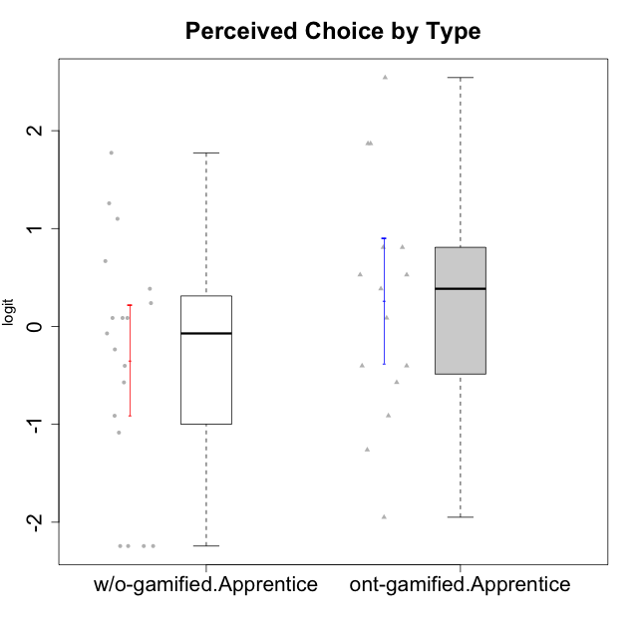

Student's t-Test data
UserID | NroUSP | Type | CLGroup | CLRole | PlayerRole | Interest/Enjoyment | Perceived Choice | Pressure/Tension | Effort/Importance | Intrinsic Motivation | Attention | Relevance | Satisfaction | Level of Motivation
10169 | 10377538 | ont-gamified | Resistance | Apprentice | Social Achiever | 2.5722949777 | 0.80816445192 | 1.7682086673 | -1.0730990233 | 0.70848988959 | 2.5517002998 | 0.52718593153 | 3.6356938349 | 1.1620306152
10170 | 10260351 | w/o-gamified | Grupo11 | Apprentice |  | 0.72072301776 | 1.258023018 | -0.34516387181 | -0.22200760026 | 0.52547557682 | 0.84350057928 | 0.37434421836 | 0.13276619304 | 0.32914228741
10172 | 10273971 | w/o-gamified | Grupo5 | Apprentice |  | 1.7947392768 | -1.0845524683 | 0.49843383845 | -1.4108634958 | -0.29977763144 | 1.1666943908 | -1.1531983773 | 0.81696357931 | 0.22593386836
10181 | 10276866 | w/o-gamified | Grupo2 | Apprentice |  | -1.2497873738 | 0.086610046126 | 0.098420182851 | -1.7760720264 | -0.75941738424 | 0.27645367958 | -0.07817697892 | -2.5320276059 | -0.26267223869
10183 | 10352030 | w/o-gamified | Grupo3 | Apprentice |  | -0.68535465006 | 0.23857900733 | 0.88651569834 | -1.0730990233 | -0.60159759109 | -1.246535435 | -1.1531983773 | -1.6155994522 | -0.87591915854
10184 | 10276675 | w/o-gamified | Grupo10 | Apprentice |  | 0.30539635193 | -0.071370473876 | 0.21805805011 | -1.0730990233 | -0.26428279884 | -0.067931029733 | 0.075225753988 | 0.49859220193 | -0.02401327559
10185 | 10276960 | w/o-gamified | Grupo9 | Apprentice |  | 1.4693286385 | -0.57154102194 | 0.49843383845 | -0.48050764026 | -0.020288465547 | -0.067931029733 | -0.76124031117 | 0.49859220193 | -0.16840949963
10186 | 10310551 | ont-gamified | Slayers | Apprentice | Social Achiever | 0.30539635193 | 0.38510411336 | 1.152083697 | 1.9877873911 | 0.46699961822 | -0.34412978221 | 0.52718593153 | 2.1423827334 | 0.27731428888
10189 | 9363926 | ont-gamified | Vikings | Apprentice | Social Achiever | -1.4049952502 | -0.57154102194 | -0.59711488184 | 0.52323555073 | -0.2140464599 | -2.2204063168 | -0.57911350986 | -1.6155994522 | -0.92720578406
10190 | 10276907 | w/o-gamified | Grupo4 | Apprentice |  | -0.39586837009 | -0.91227220026 | 0.67392894551 | -0.76239209582 | -0.68611540292 | 1.0109029019 | -0.95156463626 | -0.70444226066 | 0.025029761034
10192 | 10276682 | ont-gamified | Attractive Devils | Apprentice | Social Achiever | 0.51184859303 | 0.5275676747 | 0.49843383845 | 0.52323555073 | 0.266054495 | 1.314038185 | -0.07817697892 | 2.7049118272 | 0.87854245305
10193 | 10276762 | ont-gamified | Vandals | Apprentice | Yee Achiever | -1.5485977916 | 2.5424878036 | -0.23278238294 | 0.0236444457 | 0.42130658535 | -2.7095207918 | 1.2636388753 | -3.0276263326 | -0.87591915854
10197 | 10276661 | w/o-gamified | Grupo8 | Apprentice |  | -0.072113283119 | 0.66784937667 | 0.098420182851 | -0.22200760026 | 0.068827077609 | 1.314038185 | 0.2250079886 | -1.0485799697 | 0.27731428888
10198 | 10310888 | ont-gamified | Attractive Devils | Apprentice | Social Achiever | 0.51184859303 | -0.40217350736 | 0.49843383845 | 0.52323555073 | 0.033619199488 | 1.8806202821 | 0.37434421836 | 2.7049118272 | 1.1620306152
10199 | 10276737 | w/o-gamified | Grupo1 | Apprentice |  | -0.54344508478 | -0.23481931294 | -0.014243883551 | -0.76239209582 | -0.3816031525 | -0.34412978221 | -0.07817697892 | 0.49859220193 | -0.02401327559
10200 | 9795272 | ont-gamified | Warriors | Apprentice | Social Achiever | 1.1160486233 | 0.5275676747 | 0.88651569834 | 1.5421043723 | 0.57480124298 | 1.1666943908 | 0.37434421836 | 1.7446778656 | 0.76242378778
10201 | 10276928 | w/o-gamified | Grupo11 | Apprentice |  | 1.7947392768 | 0.086610046126 | -0.12357408627 | 0.0236444457 | 0.50714196371 | 1.0109029019 | -0.76124031117 | 1.4157323614 | 0.4341496506
10202 | 10277036 | ont-gamified | Silly Knights | Apprentice | Social Achiever | -0.54344508478 | 0.80816445192 | 0.098420182851 | 0.52323555073 | 0.17238368376 | -0.57902078051 | -0.07817697892 | 0.81696357931 | -0.12071221246
10203 | 9921470 | ont-gamified | Mercenaries | Apprentice | Social Achiever | 0.72072301776 | 1.8687847356 | -0.014243883551 | 1.9877873911 | 1.2112895623 | 0.66245909017 | -0.40449941825 | 2.1423827334 | 0.48735857189
10204 | 10310471 | w/o-gamified | Grupo6 | Apprentice |  | -2.0983497632 | -2.2436026144 | 1.2310656609 | 0.0236444457 | -1.2414419236 | -2.1248244064 | -0.23761607876 | -1.8872542901 | -0.91750976976
10206 | 10310721 | w/o-gamified | Grupo8 | Apprentice |  | 0.1094723335 | 1.0996883149 | -0.12357408627 | 0.52323555073 | 0.46399257134 | 0.66245909017 | 0.075225753988 | 1.1149392569 | 0.4341496506
10209 | 10262669 | ont-gamified | Mafia | Apprentice | Social Achiever | -1.1036517025 | -1.9493314876 | -1.2436466681 | -0.22200760026 | -0.70839376496 | -1.1259635053 | -0.23761607876 | -1.8872542901 | -0.72842495738
10210 | 10277015 | w/o-gamified | Grupo6 | Apprentice |  | -2.0983497632 | -2.2436026144 | 1.2310656609 | 1.2766443287 | -1.2414419236 | -2.1248244064 | -1.4199928331 | -3.3701614488 | -0.91750976976
10213 | 10277040 | w/o-gamified | Grupo7 | Apprentice |  | 0.30539635193 | -2.2436026144 | 0.21805805011 | 1.2766443287 | -0.0836606047 | 1.5958469796 | 1.2636388753 | 1.7446778656 | 0.86948321858
10214 | 10277022 | ont-gamified | Vikings | Apprentice | Social Achiever | -1.5485977916 | -1.2606166597 | 0.34930127605 | 1.9877873911 | -0.50051659316 | -1.246535435 | -0.95156463626 | -0.70444226066 | -0.6807998615
10217 | 9805341 | w/o-gamified | Grupo9 | Apprentice |  | 0.92364048531 | 0.086610046126 | -0.79494956067 | -0.76239209582 | 0.5508430234 | -0.067931029733 | 0.2250079886 | -0.29150836955 | 0.025029761034
10218 | 9842913 | w/o-gamified | Grupo10 | Apprentice |  | 0.51184859303 | -0.40217350736 | 0.34930127605 | -0.76239209582 | -0.25050457155 | 0.094906564934 | -0.07817697892 | -1.0485799697 | -0.12071221246
10220 | 9760151 | w/o-gamified | Grupo3 | Apprentice |  | -0.96282466304 | 1.7739639885 | -0.79494956067 | 0.80189142729 | 0.91584128946 | -1.9192991679 | 1.0736189053 | 1.7446778656 | -0.072588557506
10221 | 9082496 | ont-gamified | Warriors | Apprentice | Social Achiever | -0.82428435562 | -0.91227220026 | -0.014243883551 | 0.26813391546 | -0.36354468922 | -0.79598215936 | -1.3472553267 | -0.29150836955 | -0.58699880409
10224 | 9368772 | ont-gamified | Mercenaries | Apprentice | Social Achiever | 0.51184859303 | -0.40217350736 | 0.88651569834 | -0.76239209582 | -0.38480817712 | 0.47008248054 | -0.07817697892 | 0.81696357931 | 0.27731428888
10226 | 10310342 | w/o-gamified | Grupo4 | Apprentice |  | -1.9940956984 | -2.2436026144 | 1.2310656609 | -2.2376596092 | -1.2414419236 | -0.34412978221 | -0.23761607876 | -1.6155994522 | -0.44818529425
10228 | 10310492 | ont-gamified | Resistance | Apprentice | Social Achiever | -1.5485977916 | 1.8687847356 | 0.098420182851 | 0.0236444457 | -0.12322144433 | -1.246535435 | 0.075225753988 | -0.29150836955 | -0.44818529425
10232 | 10276974 | w/o-gamified | Grupo7 | Apprentice |  | 1.1160486233 | 0.38510411336 | -0.23278238294 | 1.1239667538 | 0.71447546835 | 1.0109029019 | 0.6887210576 | 1.4157323614 | 0.81990220965
10237 | 10377688 | ont-gamified | Outlaws | Apprentice | Social Achiever | 0.51184859303 | 0.086610046126 | 0.88651569834 | -0.22200760026 | -0.12751616486 | -0.21302018421 | -0.07817697892 | 0.13276619304 | -0.02401327559

Type_CLRole_3
Student's t-Test for Perceived Choice by Type in Type:CLRole between ont-gamified.Apprentice:w/o-gamified.Master

Student's t-Test results
Alternative hypothesis: less
Group | N | Mean | Mean.Difference | Std.deviation | Std.error | CI.lower | CI.upper | df | t.value | p.value | g | magnitude
ont-gamified.Apprentice | 15 | 0.26167515355 | 0.78589775826 | 1.2338095604 | 0.31856825866 | -0.37546136377 | 0.89881167088 | 16.547440126 | 1.6028385408 | 0.93605729978 | 0.64358003848 | medium
w/o-gamified.Master | 8 | -0.52422260471 | -0.78589775826 | 1.0542268244 | 0.37272546821 | -1.2696735411 | 0.22122833171 | 16.547440126 | 1.6028385408 | 0.93605729978 | 0.64358003848 | medium
Alternative hypothesis: greater
Group | N | Mean | Mean.Difference | Std.deviation | Std.error | CI.lower | CI.upper | df | t.value | p.value | g | magnitude
ont-gamified.Apprentice | 15 | 0.26167515355 | 0.78589775826 | 1.2338095604 | 0.31856825866 | -0.37546136377 | 0.89881167088 | 16.547440126 | 1.6028385408 | 0.063942700221 | 0.64358003848 | medium
w/o-gamified.Master | 8 | -0.52422260471 | -0.78589775826 | 1.0542268244 | 0.37272546821 | -1.2696735411 | 0.22122833171 | 16.547440126 | 1.6028385408 | 0.063942700221 | 0.64358003848 | medium
Alternative hypothesis: two.sided
Group | N | Mean | Mean.Difference | Std.deviation | Std.error | CI.lower | CI.upper | df | t.value | p.value | g | magnitude
ont-gamified.Apprentice | 15 | 0.26167515355 | 0.78589775826 | 1.2338095604 | 0.31856825866 | -0.37546136377 | 0.89881167088 | 16.547440126 | 1.6028385408 | 0.12788540044 | 0.64358003848 | medium
w/o-gamified.Master | 8 | -0.52422260471 | -0.78589775826 | 1.0542268244 | 0.37272546821 | -1.2696735411 | 0.22122833171 | 16.547440126 | 1.6028385408 | 0.12788540044 | 0.64358003848 | medium

Box plots for Student's t-Test
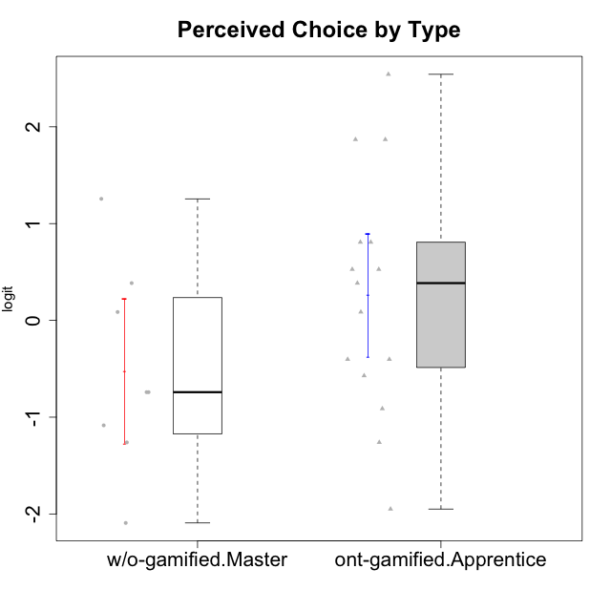

Student's t-Test data
UserID | NroUSP | Type | CLGroup | CLRole | PlayerRole | Interest/Enjoyment | Perceived Choice | Pressure/Tension | Effort/Importance | Intrinsic Motivation | Attention | Relevance | Satisfaction | Level of Motivation
10169 | 10377538 | ont-gamified | Resistance | Apprentice | Social Achiever | 2.5722949777 | 0.80816445192 | 1.7682086673 | -1.0730990233 | 0.70848988959 | 2.5517002998 | 0.52718593153 | 3.6356938349 | 1.1620306152
10174 | 10276852 | w/o-gamified | Grupo7 | Master |  | 1.1160486233 | 0.086610046126 | 0.27439066512 | -0.48050764026 | 0.055929297679 | 1.314038185 | -0.76124031117 | 0.81696357931 | 0.38141778425
10179 | 10310759 | w/o-gamified | Grupo10 | Master |  | 0.1094723335 | -1.2606166597 | -1.216895256 | 1.1239667538 | 0.30411727392 | -0.34412978221 | 0.37434421836 | -0.29150836955 | -0.072588557506
10186 | 10310551 | ont-gamified | Slayers | Apprentice | Social Achiever | 0.30539635193 | 0.38510411336 | 1.152083697 | 1.9877873911 | 0.46699961822 | -0.34412978221 | 0.52718593153 | 2.1423827334 | 0.27731428888
10189 | 9363926 | ont-gamified | Vikings | Apprentice | Social Achiever | -1.4049952502 | -0.57154102194 | -0.59711488184 | 0.52323555073 | -0.2140464599 | -2.2204063168 | -0.57911350986 | -1.6155994522 | -0.92720578406
10191 | 10276981 | w/o-gamified | Grupo1 | Master |  | -1.1036517025 | -0.74162338078 | -1.216895256 | -0.22200760026 | -0.027942256383 | -0.4650700203 | -0.23761607876 | 0.13276619304 | -0.21571496426
10192 | 10276682 | ont-gamified | Attractive Devils | Apprentice | Social Achiever | 0.51184859303 | 0.5275676747 | 0.49843383845 | 0.52323555073 | 0.266054495 | 1.314038185 | -0.07817697892 | 2.7049118272 | 0.87854245305
10193 | 10276762 | ont-gamified | Vandals | Apprentice | Yee Achiever | -1.5485977916 | 2.5424878036 | -0.23278238294 | 0.0236444457 | 0.42130658535 | -2.7095207918 | 1.2636388753 | -3.0276263326 | -0.87591915854
10198 | 10310888 | ont-gamified | Attractive Devils | Apprentice | Social Achiever | 0.51184859303 | -0.40217350736 | 0.49843383845 | 0.52323555073 | 0.033619199488 | 1.8806202821 | 0.37434421836 | 2.7049118272 | 1.1620306152
10200 | 9795272 | ont-gamified | Warriors | Apprentice | Social Achiever | 1.1160486233 | 0.5275676747 | 0.88651569834 | 1.5421043723 | 0.57480124298 | 1.1666943908 | 0.37434421836 | 1.7446778656 | 0.76242378778
10202 | 10277036 | ont-gamified | Silly Knights | Apprentice | Social Achiever | -0.54344508478 | 0.80816445192 | 0.098420182851 | 0.52323555073 | 0.17238368376 | -0.57902078051 | -0.07817697892 | 0.81696357931 | -0.12071221246
10203 | 9921470 | ont-gamified | Mercenaries | Apprentice | Social Achiever | 0.72072301776 | 1.8687847356 | -0.014243883551 | 1.9877873911 | 1.2112895623 | 0.66245909017 | -0.40449941825 | 2.1423827334 | 0.48735857189
10209 | 10262669 | ont-gamified | Mafia | Apprentice | Social Achiever | -1.1036517025 | -1.9493314876 | -1.2436466681 | -0.22200760026 | -0.70839376496 | -1.1259635053 | -0.23761607876 | -1.8872542901 | -0.72842495738
10214 | 10277022 | ont-gamified | Vikings | Apprentice | Social Achiever | -1.5485977916 | -1.2606166597 | 0.34930127605 | 1.9877873911 | -0.50051659316 | -1.246535435 | -0.95156463626 | -0.70444226066 | -0.6807998615
10219 | 10276831 | w/o-gamified | Grupo3 | Master |  | -1.5744672385 | -0.74162338078 | -1.216895256 | -2.2376596092 | -0.76978801042 | -1.3780636632 | -0.76124031117 | -3.2870046937 | -0.91750976976
10221 | 9082496 | ont-gamified | Warriors | Apprentice | Social Achiever | -0.82428435562 | -0.91227220026 | -0.014243883551 | 0.26813391546 | -0.36354468922 | -0.79598215936 | -1.3472553267 | -0.29150836955 | -0.58699880409
10224 | 9368772 | ont-gamified | Mercenaries | Apprentice | Social Achiever | 0.51184859303 | -0.40217350736 | 0.88651569834 | -0.76239209582 | -0.38480817712 | 0.47008248054 | -0.07817697892 | 0.81696357931 | 0.27731428888
10227 | 9274382 | w/o-gamified | Grupo5 | Master |  | 0.92364048531 | 0.38510411336 | 0.21805805011 | -0.76239209582 | 0.082073613185 | 1.4307888862 | 0.2250079886 | 1.7446778656 | 0.86948321858
10228 | 10310492 | ont-gamified | Resistance | Apprentice | Social Achiever | -1.5485977916 | 1.8687847356 | 0.098420182851 | 0.0236444457 | -0.12322144433 | -1.246535435 | 0.075225753988 | -0.29150836955 | -0.44818529425
10231 | 10276911 | w/o-gamified | Grupo9 | Master |  | 1.1160486233 | 1.2557749333 | -1.216895256 | -1.0730990233 | 0.88347077024 | 0.094906564934 | -0.07817697892 | 1.1149392569 | 0.22593386836
10234 | 10310676 | w/o-gamified | Grupo4 | Master |  | -1.7661895627 | -2.0928540409 | -0.46470826867 | -2.2376596092 | -0.85548372894 | -0.57902078051 | 0.6887210576 | -2.5320276059 | -0.40201832289
10237 | 10377688 | ont-gamified | Outlaws | Apprentice | Social Achiever | 0.51184859303 | 0.086610046126 | 0.88651569834 | -0.22200760026 | -0.12751616486 | -0.21302018421 | -0.07817697892 | 0.13276619304 | -0.02401327559
10238 | 10276953 | w/o-gamified | Grupo2 | Master |  | 0.30539635193 | -1.0845524683 | 0.27439066512 | 0.80189142729 | -0.28233709651 | 0.47008248054 | -0.07817697892 | -1.0485799697 | 0.025029761034

Type_CLRole_4
Student's t-Test for Perceived Choice by Type in Type:CLRole between ont-gamified.Master:w/o-gamified.Apprentice

Student's t-Test results
Alternative hypothesis: less
Group | N | Mean | Mean.Difference | Std.deviation | Std.error | CI.lower | CI.upper | df | t.value | p.value | g | magnitude
ont-gamified.Master | 9 | 0.84686413755 | 1.1925536894 | 0.91667590242 | 0.30555863414 | 0.23574686927 | 1.4579814058 | 20.689451747 | 2.8720511683 | 0.99539344434 | 1.0161269369 | large
w/o-gamified.Apprentice | 19 | -0.34568955186 | -1.1925536894 | 1.2255215262 | 0.28115392031 | -0.90799739248 | 0.21661828877 | 20.689451747 | 2.8720511683 | 0.99539344434 | 1.0161269369 | large
Alternative hypothesis: greater
Group | N | Mean | Mean.Difference | Std.deviation | Std.error | CI.lower | CI.upper | df | t.value | p.value | g | magnitude
ont-gamified.Master | 9 | 0.84686413755 | 1.1925536894 | 0.91667590242 | 0.30555863414 | 0.23574686927 | 1.4579814058 | 20.689451747 | 2.8720511683 | 0.0046065556586 | 1.0161269369 | large
w/o-gamified.Apprentice | 19 | -0.34568955186 | -1.1925536894 | 1.2255215262 | 0.28115392031 | -0.90799739248 | 0.21661828877 | 20.689451747 | 2.8720511683 | 0.0046065556586 | 1.0161269369 | large
Alternative hypothesis: two.sided
Group | N | Mean | Mean.Difference | Std.deviation | Std.error | CI.lower | CI.upper | df | t.value | p.value | g | magnitude
ont-gamified.Master | 9 | 0.84686413755 | 1.1925536894 | 0.91667590242 | 0.30555863414 | 0.23574686927 | 1.4579814058 | 20.689451747 | 2.8720511683 | 0.0092131113172 | 1.0161269369 | large
w/o-gamified.Apprentice | 19 | -0.34568955186 | -1.1925536894 | 1.2255215262 | 0.28115392031 | -0.90799739248 | 0.21661828877 | 20.689451747 | 2.8720511683 | 0.0092131113172 | 1.0161269369 | large

Box plots for Student's t-Test
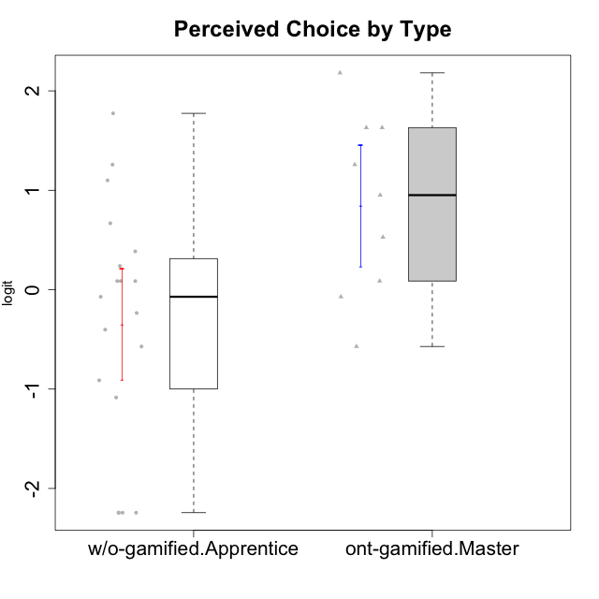

Student's t-Test data
UserID | NroUSP | Type | CLGroup | CLRole | PlayerRole | Interest/Enjoyment | Perceived Choice | Pressure/Tension | Effort/Importance | Intrinsic Motivation | Attention | Relevance | Satisfaction | Level of Motivation
10170 | 10260351 | w/o-gamified | Grupo11 | Apprentice |  | 0.72072301776 | 1.258023018 | -0.34516387181 | -0.22200760026 | 0.52547557682 | 0.84350057928 | 0.37434421836 | 0.13276619304 | 0.32914228741
10171 | 698531 | ont-gamified | Mafia | Master | Social Achiever | 2.3034225228 | 1.6300613239 | -0.75200607827 | 1.518556211 | 1.3533005189 | 1.1666943908 | 1.0736189053 | 1.1149392569 | 0.79496629612
10172 | 10273971 | w/o-gamified | Grupo5 | Apprentice |  | 1.7947392768 | -1.0845524683 | 0.49843383845 | -1.4108634958 | -0.29977763144 | 1.1666943908 | -1.1531983773 | 0.81696357931 | 0.22593386836
10175 | 10310700 | ont-gamified | Warriors | Master | Social Achiever | 0.51184859303 | 2.1812873658 | -1.5713683016 | 0.80189142729 | 1.3533005189 | 1.314038185 | 1.0736189053 | 1.4157323614 | 0.79496629612
10176 | 10276949 | ont-gamified | Outlaws | Master | Social Achiever | 0.30539635193 | -0.57154102194 | 0.67392894551 | -1.0730990233 | -0.5032931597 | 0.47008248054 | -0.31085692253 | -0.29150836955 | 0.025029761034
10181 | 10276866 | w/o-gamified | Grupo2 | Apprentice |  | -1.2497873738 | 0.086610046126 | 0.098420182851 | -1.7760720264 | -0.75941738424 | 0.27645367958 | -0.07817697892 | -2.5320276059 | -0.26267223869
10183 | 10352030 | w/o-gamified | Grupo3 | Apprentice |  | -0.68535465006 | 0.23857900733 | 0.88651569834 | -1.0730990233 | -0.60159759109 | -1.246535435 | -1.1531983773 | -1.6155994522 | -0.87591915854
10184 | 10276675 | w/o-gamified | Grupo10 | Apprentice |  | 0.30539635193 | -0.071370473876 | 0.21805805011 | -1.0730990233 | -0.26428279884 | -0.067931029733 | 0.075225753988 | 0.49859220193 | -0.02401327559
10185 | 10276960 | w/o-gamified | Grupo9 | Apprentice |  | 1.4693286385 | -0.57154102194 | 0.49843383845 | -0.48050764026 | -0.020288465547 | -0.067931029733 | -0.76124031117 | 0.49859220193 | -0.16840949963
10188 | 10276995 | ont-gamified | Vandals | Master | Yee Achiever | -0.54344508478 | 1.6300613239 | -1.5713683016 | 0.0236444457 | 0.76644358571 | -0.4650700203 | 1.2636388753 | -1.3432378563 | -0.072588557506
10190 | 10276907 | w/o-gamified | Grupo4 | Apprentice |  | -0.39586837009 | -0.91227220026 | 0.67392894551 | -0.76239209582 | -0.68611540292 | 1.0109029019 | -0.95156463626 | -0.70444226066 | 0.025029761034
10197 | 10276661 | w/o-gamified | Grupo8 | Apprentice |  | -0.072113283119 | 0.66784937667 | 0.098420182851 | -0.22200760026 | 0.068827077609 | 1.314038185 | 0.2250079886 | -1.0485799697 | 0.27731428888
10199 | 10276737 | w/o-gamified | Grupo1 | Apprentice |  | -0.54344508478 | -0.23481931294 | -0.014243883551 | -0.76239209582 | -0.3816031525 | -0.34412978221 | -0.07817697892 | 0.49859220193 | -0.02401327559
10201 | 10276928 | w/o-gamified | Grupo11 | Apprentice |  | 1.7947392768 | 0.086610046126 | -0.12357408627 | 0.0236444457 | 0.50714196371 | 1.0109029019 | -0.76124031117 | 1.4157323614 | 0.4341496506
10204 | 10310471 | w/o-gamified | Grupo6 | Apprentice |  | -2.0983497632 | -2.2436026144 | 1.2310656609 | 0.0236444457 | -1.2414419236 | -2.1248244064 | -0.23761607876 | -1.8872542901 | -0.91750976976
10206 | 10310721 | w/o-gamified | Grupo8 | Apprentice |  | 0.1094723335 | 1.0996883149 | -0.12357408627 | 0.52323555073 | 0.46399257134 | 0.66245909017 | 0.075225753988 | 1.1149392569 | 0.4341496506
10208 | 10276932 | ont-gamified | Mercenaries | Master | Social Achiever | 0.30539635193 | 0.5275676747 | -0.46470826867 | 0.52323555073 | 0.45522696151 | -1.0124865199 | -0.31085692253 | 0.13276619304 | -0.54058185084
10210 | 10277015 | w/o-gamified | Grupo6 | Apprentice |  | -2.0983497632 | -2.2436026144 | 1.2310656609 | 1.2766443287 | -1.2414419236 | -2.1248244064 | -1.4199928331 | -3.3701614488 | -0.91750976976
10213 | 10277040 | w/o-gamified | Grupo7 | Apprentice |  | 0.30539635193 | -2.2436026144 | 0.21805805011 | 1.2766443287 | -0.0836606047 | 1.5958469796 | 1.2636388753 | 1.7446778656 | 0.86948321858
10215 | 9285227 | ont-gamified | Vikings | Master | Social Achiever | 0.51184859303 | 0.95107798127 | -0.34516387181 | -0.48050764026 | 0.33189570146 | -0.6885839594 | 1.0736189053 | -1.8872542901 | -0.16840949963
10216 | 10276720 | ont-gamified | Silly Knights | Master | Social Achiever | 1.2974006096 | 1.258023018 | -1.5713683016 | 0.52323555073 | 1.2585432091 | -0.067931029733 | 0.86656034259 | 1.1149392569 | 0.4341496506
10217 | 9805341 | w/o-gamified | Grupo9 | Apprentice |  | 0.92364048531 | 0.086610046126 | -0.79494956067 | -0.76239209582 | 0.5508430234 | -0.067931029733 | 0.2250079886 | -0.29150836955 | 0.025029761034
10218 | 9842913 | w/o-gamified | Grupo10 | Apprentice |  | 0.51184859303 | -0.40217350736 | 0.34930127605 | -0.76239209582 | -0.25050457155 | 0.094906564934 | -0.07817697892 | -1.0485799697 | -0.12071221246
10220 | 9760151 | w/o-gamified | Grupo3 | Apprentice |  | -0.96282466304 | 1.7739639885 | -0.79494956067 | 0.80189142729 | 0.91584128946 | -1.9192991679 | 1.0736189053 | 1.7446778656 | -0.072588557506
10223 | 9795185 | ont-gamified | Slayers | Master | Social Achiever | 1.634244949 | 0.086610046126 | 0.098420182851 | -0.48050764026 | 0.28548179301 | -0.067931029733 | 0.2250079886 | 0.13276619304 | 0.074548181131
10226 | 10310342 | w/o-gamified | Grupo4 | Apprentice |  | -1.9940956984 | -2.2436026144 | 1.2310656609 | -2.2376596092 | -1.2414419236 | -0.34412978221 | -0.23761607876 | -1.6155994522 | -0.44818529425
10230 | 10351992 | ont-gamified | Resistance | Master | Social Achiever | 1.1160486233 | -0.071370473876 | 0.34930127605 | -0.22200760026 | 0.11834231828 | 0.84350057928 | 0.075225753988 | -0.29150836955 | 0.22593386836
10232 | 10276974 | w/o-gamified | Grupo7 | Apprentice |  | 1.1160486233 | 0.38510411336 | -0.23278238294 | 1.1239667538 | 0.71447546835 | 1.0109029019 | 0.6887210576 | 1.4157323614 | 0.81990220965

Type_CLRole_5
Student's t-Test for Perceived Choice by Type in Type:CLRole between ont-gamified.Master:w/o-gamified.Master

Student's t-Test results
Alternative hypothesis: less
Group | N | Mean | Mean.Difference | Std.deviation | Std.error | CI.lower | CI.upper | df | t.value | p.value | g | magnitude
ont-gamified.Master | 9 | 0.84686413755 | 1.3710867423 | 0.91667590242 | 0.30555863414 | 0.23574686927 | 1.4579814058 | 14.026972356 | 2.8447843096 | 0.99351862276 | 1.3235211115 | large
w/o-gamified.Master | 8 | -0.52422260471 | -1.3710867423 | 1.0542268244 | 0.37272546821 | -1.2696735411 | 0.22122833171 | 14.026972356 | 2.8447843096 | 0.99351862276 | 1.3235211115 | large
Alternative hypothesis: greater
Group | N | Mean | Mean.Difference | Std.deviation | Std.error | CI.lower | CI.upper | df | t.value | p.value | g | magnitude
ont-gamified.Master | 9 | 0.84686413755 | 1.3710867423 | 0.91667590242 | 0.30555863414 | 0.23574686927 | 1.4579814058 | 14.026972356 | 2.8447843096 | 0.0064813772403 | 1.3235211115 | large
w/o-gamified.Master | 8 | -0.52422260471 | -1.3710867423 | 1.0542268244 | 0.37272546821 | -1.2696735411 | 0.22122833171 | 14.026972356 | 2.8447843096 | 0.0064813772403 | 1.3235211115 | large
Alternative hypothesis: two.sided
Group | N | Mean | Mean.Difference | Std.deviation | Std.error | CI.lower | CI.upper | df | t.value | p.value | g | magnitude
ont-gamified.Master | 9 | 0.84686413755 | 1.3710867423 | 0.91667590242 | 0.30555863414 | 0.23574686927 | 1.4579814058 | 14.026972356 | 2.8447843096 | 0.012962754481 | 1.3235211115 | large
w/o-gamified.Master | 8 | -0.52422260471 | -1.3710867423 | 1.0542268244 | 0.37272546821 | -1.2696735411 | 0.22122833171 | 14.026972356 | 2.8447843096 | 0.012962754481 | 1.3235211115 | large

Box plots for Student's t-Test
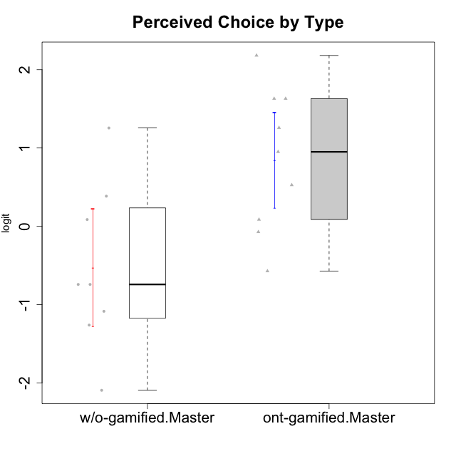

Student's t-Test data
UserID | NroUSP | Type | CLGroup | CLRole | PlayerRole | Interest/Enjoyment | Perceived Choice | Pressure/Tension | Effort/Importance | Intrinsic Motivation | Attention | Relevance | Satisfaction | Level of Motivation
10171 | 698531 | ont-gamified | Mafia | Master | Social Achiever | 2.3034225228 | 1.6300613239 | -0.75200607827 | 1.518556211 | 1.3533005189 | 1.1666943908 | 1.0736189053 | 1.1149392569 | 0.79496629612
10174 | 10276852 | w/o-gamified | Grupo7 | Master |  | 1.1160486233 | 0.086610046126 | 0.27439066512 | -0.48050764026 | 0.055929297679 | 1.314038185 | -0.76124031117 | 0.81696357931 | 0.38141778425
10175 | 10310700 | ont-gamified | Warriors | Master | Social Achiever | 0.51184859303 | 2.1812873658 | -1.5713683016 | 0.80189142729 | 1.3533005189 | 1.314038185 | 1.0736189053 | 1.4157323614 | 0.79496629612
10176 | 10276949 | ont-gamified | Outlaws | Master | Social Achiever | 0.30539635193 | -0.57154102194 | 0.67392894551 | -1.0730990233 | -0.5032931597 | 0.47008248054 | -0.31085692253 | -0.29150836955 | 0.025029761034
10179 | 10310759 | w/o-gamified | Grupo10 | Master |  | 0.1094723335 | -1.2606166597 | -1.216895256 | 1.1239667538 | 0.30411727392 | -0.34412978221 | 0.37434421836 | -0.29150836955 | -0.072588557506
10188 | 10276995 | ont-gamified | Vandals | Master | Yee Achiever | -0.54344508478 | 1.6300613239 | -1.5713683016 | 0.0236444457 | 0.76644358571 | -0.4650700203 | 1.2636388753 | -1.3432378563 | -0.072588557506
10191 | 10276981 | w/o-gamified | Grupo1 | Master |  | -1.1036517025 | -0.74162338078 | -1.216895256 | -0.22200760026 | -0.027942256383 | -0.4650700203 | -0.23761607876 | 0.13276619304 | -0.21571496426
10208 | 10276932 | ont-gamified | Mercenaries | Master | Social Achiever | 0.30539635193 | 0.5275676747 | -0.46470826867 | 0.52323555073 | 0.45522696151 | -1.0124865199 | -0.31085692253 | 0.13276619304 | -0.54058185084
10215 | 9285227 | ont-gamified | Vikings | Master | Social Achiever | 0.51184859303 | 0.95107798127 | -0.34516387181 | -0.48050764026 | 0.33189570146 | -0.6885839594 | 1.0736189053 | -1.8872542901 | -0.16840949963
10216 | 10276720 | ont-gamified | Silly Knights | Master | Social Achiever | 1.2974006096 | 1.258023018 | -1.5713683016 | 0.52323555073 | 1.2585432091 | -0.067931029733 | 0.86656034259 | 1.1149392569 | 0.4341496506
10219 | 10276831 | w/o-gamified | Grupo3 | Master |  | -1.5744672385 | -0.74162338078 | -1.216895256 | -2.2376596092 | -0.76978801042 | -1.3780636632 | -0.76124031117 | -3.2870046937 | -0.91750976976
10223 | 9795185 | ont-gamified | Slayers | Master | Social Achiever | 1.634244949 | 0.086610046126 | 0.098420182851 | -0.48050764026 | 0.28548179301 | -0.067931029733 | 0.2250079886 | 0.13276619304 | 0.074548181131
10227 | 9274382 | w/o-gamified | Grupo5 | Master |  | 0.92364048531 | 0.38510411336 | 0.21805805011 | -0.76239209582 | 0.082073613185 | 1.4307888862 | 0.2250079886 | 1.7446778656 | 0.86948321858
10230 | 10351992 | ont-gamified | Resistance | Master | Social Achiever | 1.1160486233 | -0.071370473876 | 0.34930127605 | -0.22200760026 | 0.11834231828 | 0.84350057928 | 0.075225753988 | -0.29150836955 | 0.22593386836
10231 | 10276911 | w/o-gamified | Grupo9 | Master |  | 1.1160486233 | 1.2557749333 | -1.216895256 | -1.0730990233 | 0.88347077024 | 0.094906564934 | -0.07817697892 | 1.1149392569 | 0.22593386836
10234 | 10310676 | w/o-gamified | Grupo4 | Master |  | -1.7661895627 | -2.0928540409 | -0.46470826867 | -2.2376596092 | -0.85548372894 | -0.57902078051 | 0.6887210576 | -2.5320276059 | -0.40201832289
10238 | 10276953 | w/o-gamified | Grupo2 | Master |  | 0.30539635193 | -1.0845524683 | 0.27439066512 | 0.80189142729 | -0.28233709651 | 0.47008248054 | -0.07817697892 | -1.0485799697 | 0.025029761034

Type_CLRole_6
Student's t-Test for Perceived Choice by Type in Type:CLRole between w/o-gamified.Apprentice:w/o-gamified.Master

Student's t-Test results
Alternative hypothesis: less
Group | N | Mean | Mean.Difference | Std.deviation | Std.error | CI.lower | CI.upper | df | t.value | p.value | g | magnitude
w/o-gamified.Apprentice | 19 | -0.34568955186 | 0.17853305286 | 1.2255215262 | 0.28115392031 | -0.90799739248 | 0.21661828877 | 15.305246354 | 0.38240052028 | 0.64628890369 | 0.14670591584 | negligible
w/o-gamified.Master | 8 | -0.52422260471 | -0.17853305286 | 1.0542268244 | 0.37272546821 | -1.2696735411 | 0.22122833171 | 15.305246354 | 0.38240052028 | 0.64628890369 | 0.14670591584 | negligible
Alternative hypothesis: greater
Group | N | Mean | Mean.Difference | Std.deviation | Std.error | CI.lower | CI.upper | df | t.value | p.value | g | magnitude
w/o-gamified.Apprentice | 19 | -0.34568955186 | 0.17853305286 | 1.2255215262 | 0.28115392031 | -0.90799739248 | 0.21661828877 | 15.305246354 | 0.38240052028 | 0.35371109631 | 0.14670591584 | negligible
w/o-gamified.Master | 8 | -0.52422260471 | -0.17853305286 | 1.0542268244 | 0.37272546821 | -1.2696735411 | 0.22122833171 | 15.305246354 | 0.38240052028 | 0.35371109631 | 0.14670591584 | negligible
Alternative hypothesis: two.sided
Group | N | Mean | Mean.Difference | Std.deviation | Std.error | CI.lower | CI.upper | df | t.value | p.value | g | magnitude
w/o-gamified.Apprentice | 19 | -0.34568955186 | 0.17853305286 | 1.2255215262 | 0.28115392031 | -0.90799739248 | 0.21661828877 | 15.305246354 | 0.38240052028 | 0.70742219262 | 0.14670591584 | negligible
w/o-gamified.Master | 8 | -0.52422260471 | -0.17853305286 | 1.0542268244 | 0.37272546821 | -1.2696735411 | 0.22122833171 | 15.305246354 | 0.38240052028 | 0.70742219262 | 0.14670591584 | negligible

Box plots for Student's t-Test
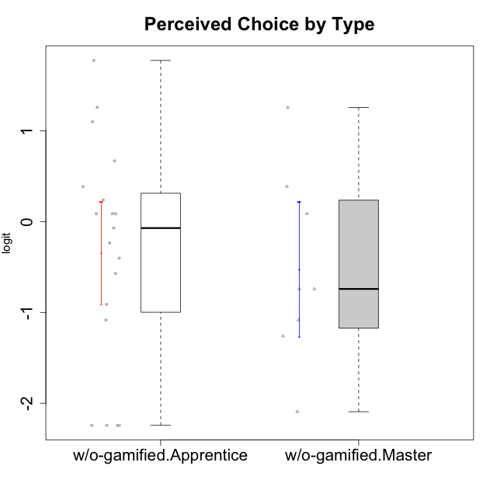

Student's t-Test data
UserID | NroUSP | Type | CLGroup | CLRole | PlayerRole | Interest/Enjoyment | Perceived Choice | Pressure/Tension | Effort/Importance | Intrinsic Motivation | Attention | Relevance | Satisfaction | Level of Motivation
10170 | 10260351 | w/o-gamified | Grupo11 | Apprentice |  | 0.72072301776 | 1.258023018 | -0.34516387181 | -0.22200760026 | 0.52547557682 | 0.84350057928 | 0.37434421836 | 0.13276619304 | 0.32914228741
10172 | 10273971 | w/o-gamified | Grupo5 | Apprentice |  | 1.7947392768 | -1.0845524683 | 0.49843383845 | -1.4108634958 | -0.29977763144 | 1.1666943908 | -1.1531983773 | 0.81696357931 | 0.22593386836
10174 | 10276852 | w/o-gamified | Grupo7 | Master |  | 1.1160486233 | 0.086610046126 | 0.27439066512 | -0.48050764026 | 0.055929297679 | 1.314038185 | -0.76124031117 | 0.81696357931 | 0.38141778425
10179 | 10310759 | w/o-gamified | Grupo10 | Master |  | 0.1094723335 | -1.2606166597 | -1.216895256 | 1.1239667538 | 0.30411727392 | -0.34412978221 | 0.37434421836 | -0.29150836955 | -0.072588557506
10181 | 10276866 | w/o-gamified | Grupo2 | Apprentice |  | -1.2497873738 | 0.086610046126 | 0.098420182851 | -1.7760720264 | -0.75941738424 | 0.27645367958 | -0.07817697892 | -2.5320276059 | -0.26267223869
10183 | 10352030 | w/o-gamified | Grupo3 | Apprentice |  | -0.68535465006 | 0.23857900733 | 0.88651569834 | -1.0730990233 | -0.60159759109 | -1.246535435 | -1.1531983773 | -1.6155994522 | -0.87591915854
10184 | 10276675 | w/o-gamified | Grupo10 | Apprentice |  | 0.30539635193 | -0.071370473876 | 0.21805805011 | -1.0730990233 | -0.26428279884 | -0.067931029733 | 0.075225753988 | 0.49859220193 | -0.02401327559
10185 | 10276960 | w/o-gamified | Grupo9 | Apprentice |  | 1.4693286385 | -0.57154102194 | 0.49843383845 | -0.48050764026 | -0.020288465547 | -0.067931029733 | -0.76124031117 | 0.49859220193 | -0.16840949963
10190 | 10276907 | w/o-gamified | Grupo4 | Apprentice |  | -0.39586837009 | -0.91227220026 | 0.67392894551 | -0.76239209582 | -0.68611540292 | 1.0109029019 | -0.95156463626 | -0.70444226066 | 0.025029761034
10191 | 10276981 | w/o-gamified | Grupo1 | Master |  | -1.1036517025 | -0.74162338078 | -1.216895256 | -0.22200760026 | -0.027942256383 | -0.4650700203 | -0.23761607876 | 0.13276619304 | -0.21571496426
10197 | 10276661 | w/o-gamified | Grupo8 | Apprentice |  | -0.072113283119 | 0.66784937667 | 0.098420182851 | -0.22200760026 | 0.068827077609 | 1.314038185 | 0.2250079886 | -1.0485799697 | 0.27731428888
10199 | 10276737 | w/o-gamified | Grupo1 | Apprentice |  | -0.54344508478 | -0.23481931294 | -0.014243883551 | -0.76239209582 | -0.3816031525 | -0.34412978221 | -0.07817697892 | 0.49859220193 | -0.02401327559
10201 | 10276928 | w/o-gamified | Grupo11 | Apprentice |  | 1.7947392768 | 0.086610046126 | -0.12357408627 | 0.0236444457 | 0.50714196371 | 1.0109029019 | -0.76124031117 | 1.4157323614 | 0.4341496506
10204 | 10310471 | w/o-gamified | Grupo6 | Apprentice |  | -2.0983497632 | -2.2436026144 | 1.2310656609 | 0.0236444457 | -1.2414419236 | -2.1248244064 | -0.23761607876 | -1.8872542901 | -0.91750976976
10206 | 10310721 | w/o-gamified | Grupo8 | Apprentice |  | 0.1094723335 | 1.0996883149 | -0.12357408627 | 0.52323555073 | 0.46399257134 | 0.66245909017 | 0.075225753988 | 1.1149392569 | 0.4341496506
10210 | 10277015 | w/o-gamified | Grupo6 | Apprentice |  | -2.0983497632 | -2.2436026144 | 1.2310656609 | 1.2766443287 | -1.2414419236 | -2.1248244064 | -1.4199928331 | -3.3701614488 | -0.91750976976
10213 | 10277040 | w/o-gamified | Grupo7 | Apprentice |  | 0.30539635193 | -2.2436026144 | 0.21805805011 | 1.2766443287 | -0.0836606047 | 1.5958469796 | 1.2636388753 | 1.7446778656 | 0.86948321858
10217 | 9805341 | w/o-gamified | Grupo9 | Apprentice |  | 0.92364048531 | 0.086610046126 | -0.79494956067 | -0.76239209582 | 0.5508430234 | -0.067931029733 | 0.2250079886 | -0.29150836955 | 0.025029761034
10218 | 9842913 | w/o-gamified | Grupo10 | Apprentice |  | 0.51184859303 | -0.40217350736 | 0.34930127605 | -0.76239209582 | -0.25050457155 | 0.094906564934 | -0.07817697892 | -1.0485799697 | -0.12071221246
10219 | 10276831 | w/o-gamified | Grupo3 | Master |  | -1.5744672385 | -0.74162338078 | -1.216895256 | -2.2376596092 | -0.76978801042 | -1.3780636632 | -0.76124031117 | -3.2870046937 | -0.91750976976
10220 | 9760151 | w/o-gamified | Grupo3 | Apprentice |  | -0.96282466304 | 1.7739639885 | -0.79494956067 | 0.80189142729 | 0.91584128946 | -1.9192991679 | 1.0736189053 | 1.7446778656 | -0.072588557506
10226 | 10310342 | w/o-gamified | Grupo4 | Apprentice |  | -1.9940956984 | -2.2436026144 | 1.2310656609 | -2.2376596092 | -1.2414419236 | -0.34412978221 | -0.23761607876 | -1.6155994522 | -0.44818529425
10227 | 9274382 | w/o-gamified | Grupo5 | Master |  | 0.92364048531 | 0.38510411336 | 0.21805805011 | -0.76239209582 | 0.082073613185 | 1.4307888862 | 0.2250079886 | 1.7446778656 | 0.86948321858
10231 | 10276911 | w/o-gamified | Grupo9 | Master |  | 1.1160486233 | 1.2557749333 | -1.216895256 | -1.0730990233 | 0.88347077024 | 0.094906564934 | -0.07817697892 | 1.1149392569 | 0.22593386836
10232 | 10276974 | w/o-gamified | Grupo7 | Apprentice |  | 1.1160486233 | 0.38510411336 | -0.23278238294 | 1.1239667538 | 0.71447546835 | 1.0109029019 | 0.6887210576 | 1.4157323614 | 0.81990220965
10234 | 10310676 | w/o-gamified | Grupo4 | Master |  | -1.7661895627 | -2.0928540409 | -0.46470826867 | -2.2376596092 | -0.85548372894 | -0.57902078051 | 0.6887210576 | -2.5320276059 | -0.40201832289
10238 | 10276953 | w/o-gamified | Grupo2 | Master |  | 0.30539635193 | -1.0845524683 | 0.27439066512 | 0.80189142729 | -0.28233709651 | 0.47008248054 | -0.07817697892 | -1.0485799697 | 0.025029761034

