Type_1
Wilcoxon Analysis for Relevance by Type in Type between ont-gamified:w/o-gamified

Wilcoxon test results
Alternative hypothesis: less
Group | N | Median | Mean.Ranks | Sum.Ranks | U | Z | p.value | r | magnitude
ont-gamified | 25 | 0.075225753988 | 29.04 | 726 | 401 | 1.1682844777 | 0.87843193794 | 0.16201190726 | small
w/o-gamified | 27 | -0.07817697892 | 24.148148148 | 652 | 401 | 1.1682844777 | 0.87843193794 | 0.16201190726 | small
Alternative hypothesis: greater
Group | N | Median | Mean.Ranks | Sum.Ranks | U | Z | p.value | r | magnitude
ont-gamified | 25 | 0.075225753988 | 29.04 | 726 | 401 | 1.1682844777 | 0.12343533653 | 0.16201190726 | small
w/o-gamified | 27 | -0.07817697892 | 24.148148148 | 652 | 401 | 1.1682844777 | 0.12343533653 | 0.16201190726 | small
Alternative hypothesis: two.sided
Group | N | Median | Mean.Ranks | Sum.Ranks | U | Z | p.value | r | magnitude
ont-gamified | 25 | 0.075225753988 | 29.04 | 726 | 401 | 1.1682844777 | 0.24687177028 | 0.16201190726 | small
w/o-gamified | 27 | -0.07817697892 | 24.148148148 | 652 | 401 | 1.1682844777 | 0.24687177028 | 0.16201190726 | small

Box plots for wilcoxon tests
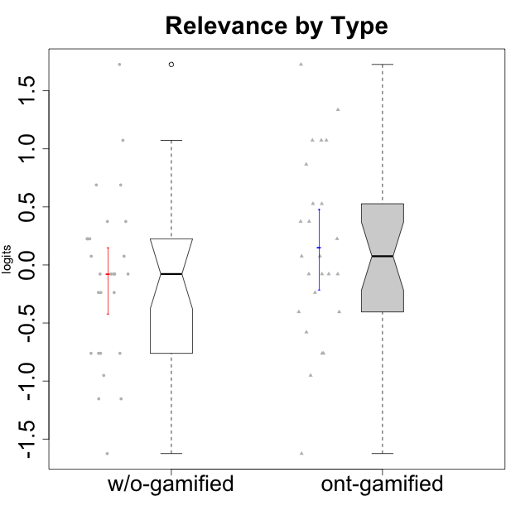

Wilcoxon data
UserID | NroUSP | Type | CLGroup | CLRole | PlayerRole | Score | theta | error | Outfit | Infit | Relevance
10169 | 10377538 | ont-gamified | Resistance | Apprentice | Social Achiever | 18 | 0.52718593153 | 0.41425163099 | 0.80757353251 | 0.82656818606 | 0.52718593153
10170 | 10260351 | w/o-gamified | Grupo11 | Apprentice |  | 17 | 0.37434421836 | 0.40453510857 | 1.5253222222 | 1.4637383701 | 0.37434421836
10171 | 698531 | ont-gamified | Mafia | Master | Social Achiever | 21 | 1.0736189053 | 0.50109723009 | 0.15157022606 | 0.12215107136 | 1.0736189053
10172 | 10273971 | w/o-gamified | Grupo5 | Apprentice |  | 8 | -1.1531983773 | 0.46939627995 | 0.027746391645 | 0.02904490839 | -1.1531983773
10174 | 10276852 | w/o-gamified | Grupo7 | Master |  | 10 | -0.76124031117 | 0.4365077982 | 0.81015642522 | 0.80784745412 | -0.76124031117
10175 | 10310700 | ont-gamified | Warriors | Master | Social Achiever | 21 | 1.0736189053 | 0.50109723009 | 0.49982479131 | 0.49834318736 | 1.0736189053
10176 | 10276949 | ont-gamified | Outlaws | Master | Social Achiever | 12 | -0.40449941825 | 0.41616720935 | 0.033182018631 | 0.033667884992 | -0.40449941825
10178 | 8656201 | ont-gamified | Outlaws | Apprentice | Social Achiever | 10 | -0.76124031117 | 0.4365077982 | 0.42879833285 | 0.40853635991 | -0.76124031117
10179 | 10310759 | w/o-gamified | Grupo10 | Master |  | 17 | 0.37434421836 | 0.40453510857 | 0.43916850134 | 0.44852296084 | 0.37434421836
10181 | 10276866 | w/o-gamified | Grupo2 | Apprentice |  | 14 | -0.07817697892 | 0.40283712974 | 0.58138654688 | 0.58283218602 | -0.07817697892
10183 | 10352030 | w/o-gamified | Grupo3 | Apprentice |  | 8 | -1.1531983773 | 0.46939627995 | 0.26782268156 | 0.26133854654 | -1.1531983773
10184 | 10276675 | w/o-gamified | Grupo10 | Apprentice |  | 15 | 0.075225753988 | 0.39978940028 | 1.4259218399 | 1.4097387633 | 0.075225753988
10185 | 10276960 | w/o-gamified | Grupo9 | Apprentice |  | 10 | -0.76124031117 | 0.4365077982 | 1.2700477392 | 1.2717117113 | -0.76124031117
10186 | 10310551 | ont-gamified | Slayers | Apprentice | Social Achiever | 18 | 0.52718593153 | 0.41425163099 | 1.9468717019 | 1.9519194555 | 0.52718593153
10188 | 10276995 | ont-gamified | Vandals | Master | Yee Achiever | 22 | 1.3363412484 | 0.57522663207 | 0.44395215557 | 0.45147767142 | 1.3363412484
10189 | 9363926 | ont-gamified | Vikings | Apprentice | Social Achiever | 11 | -0.57911350986 | 0.4254259586 | 3.4342149485 | 3.4479856723 | -0.57911350986
10190 | 10276907 | w/o-gamified | Grupo4 | Apprentice |  | 9 | -0.95156463626 | 0.45049223041 | 0.068269547823 | 0.071051822191 | -0.95156463626
10191 | 10276981 | w/o-gamified | Grupo1 | Master |  | 13 | -0.23761607876 | 0.40851051629 | 1.4535604535 | 1.4920039642 | -0.23761607876
10192 | 10276682 | ont-gamified | Attractive Devils | Apprentice | Social Achiever | 14 | -0.07817697892 | 0.40283712974 | 1.4987951503 | 1.4888930518 | -0.07817697892
10193 | 10276762 | ont-gamified | Vandals | Apprentice | Yee Achiever | 23 | 1.7269646121 | 0.7257750579 | 0.47808799855 | 0.48020566534 | 1.7269646121
10197 | 10276661 | w/o-gamified | Grupo8 | Apprentice |  | 16 | 0.2250079886 | 0.40008315848 | 1.740756168 | 1.7468909717 | 0.2250079886
10198 | 10310888 | ont-gamified | Attractive Devils | Apprentice | Social Achiever | 17 | 0.37434421836 | 0.40453510857 | 0.30096040846 | 0.30640158868 | 0.37434421836
10199 | 10276737 | w/o-gamified | Grupo1 | Apprentice |  | 14 | -0.07817697892 | 0.40283712974 | 0.29653587695 | 0.30229150294 | -0.07817697892
10200 | 9795272 | ont-gamified | Warriors | Apprentice | Social Achiever | 17 | 0.37434421836 | 0.40453510857 | 0.052218481054 | 0.050164566177 | 0.37434421836
10201 | 10276928 | w/o-gamified | Grupo11 | Apprentice |  | 10 | -0.76124031117 | 0.4365077982 | 0.89153649107 | 0.8831433146 | -0.76124031117
10202 | 10277036 | ont-gamified | Silly Knights | Apprentice | Social Achiever | 14 | -0.07817697892 | 0.40283712974 | 0.55762969692 | 0.55846664048 | -0.07817697892
10203 | 9921470 | ont-gamified | Mercenaries | Apprentice | Social Achiever | 12 | -0.40449941825 | 0.41616720935 | 0.17361812825 | 0.17234426025 | -0.40449941825
10204 | 10310471 | w/o-gamified | Grupo6 | Apprentice |  | 13 | -0.23761607876 | 0.40851051629 | 2.2915218017 | 2.2892005685 | -0.23761607876
10206 | 10310721 | w/o-gamified | Grupo8 | Apprentice |  | 15 | 0.075225753988 | 0.39978940028 | 0.057844113552 | 0.057404915233 | 0.075225753988
10208 | 10276932 | ont-gamified | Mercenaries | Master | Social Achiever | 10 | -0.76124031117 | 0.4365077982 | 0.86207567592 | 0.87675596837 | -0.76124031117
10209 | 10262669 | ont-gamified | Mafia | Apprentice | Social Achiever | 13 | -0.23761607876 | 0.40851051629 | 1.8184059757 | 1.8670479443 | -0.23761607876
10210 | 10277015 | w/o-gamified | Grupo6 | Apprentice |  | 6 | -1.6250603201 | 0.53635969133 | 1.1686732143 | 1.0821595326 | -1.6250603201
10213 | 10277040 | w/o-gamified | Grupo7 | Apprentice |  | 23 | 1.7269646121 | 0.7257750579 | 0.41759844366 | 0.43219940522 | 1.7269646121
10214 | 10277022 | ont-gamified | Vikings | Apprentice | Social Achiever | 9 | -0.95156463626 | 0.45049223041 | 0.66330237539 | 0.67468990179 | -0.95156463626
10215 | 9285227 | ont-gamified | Vikings | Master | Social Achiever | 21 | 1.0736189053 | 0.50109723009 | 1.2999328876 | 1.425253835 | 1.0736189053
10216 | 10276720 | ont-gamified | Silly Knights | Master | Social Achiever | 20 | 0.86656034259 | 0.45786496764 | 0.32399068379 | 0.32909119605 | 0.86656034259
10217 | 9805341 | w/o-gamified | Grupo9 | Apprentice |  | 16 | 0.2250079886 | 0.40008315848 | 0.03615655858 | 0.035784976795 | 0.2250079886
10218 | 9842913 | w/o-gamified | Grupo10 | Apprentice |  | 14 | -0.07817697892 | 0.40283712974 | 0.32585159579 | 0.32588232721 | -0.07817697892
10219 | 10276831 | w/o-gamified | Grupo3 | Master |  | 10 | -0.76124031117 | 0.4365077982 | 0.30037858261 | 0.30165741252 | -0.76124031117
10220 | 9760151 | w/o-gamified | Grupo3 | Apprentice |  | 21 | 1.0736189053 | 0.50109723009 | 1.2999328876 | 1.425253835 | 1.0736189053
10221 | 9082496 | ont-gamified | Warriors | Apprentice | Social Achiever | 6 | -1.6250603201 | 0.53635969133 | 0.83616042739 | 0.86077745545 | -1.6250603201
10223 | 9795185 | ont-gamified | Slayers | Master | Social Achiever | 16 | 0.2250079886 | 0.40008315848 | 0.49944360111 | 0.49408739994 | 0.2250079886
10224 | 9368772 | ont-gamified | Mercenaries | Apprentice | Social Achiever | 14 | -0.07817697892 | 0.40283712974 | 0.069700448646 | 0.069707189674 | -0.07817697892
10226 | 10310342 | w/o-gamified | Grupo4 | Apprentice |  | 13 | -0.23761607876 | 0.40851051629 | 1.1451994005 | 1.1327268533 | -0.23761607876
10227 | 9274382 | w/o-gamified | Grupo5 | Master |  | 16 | 0.2250079886 | 0.40008315848 | 0.41827365963 | 0.41955448939 | 0.2250079886
10228 | 10310492 | ont-gamified | Resistance | Apprentice | Social Achiever | 15 | 0.075225753988 | 0.39978940028 | 1.9603555337 | 1.9676725327 | 0.075225753988
10230 | 10351992 | ont-gamified | Resistance | Master | Social Achiever | 15 | 0.075225753988 | 0.39978940028 | 0.17403240351 | 0.17437121649 | 0.075225753988
10231 | 10276911 | w/o-gamified | Grupo9 | Master |  | 14 | -0.07817697892 | 0.40283712974 | 0.29653587695 | 0.30229150294 | -0.07817697892
10232 | 10276974 | w/o-gamified | Grupo7 | Apprentice |  | 19 | 0.6887210576 | 0.43098781127 | 0.60412392003 | 0.60914971035 | 0.6887210576
10234 | 10310676 | w/o-gamified | Grupo4 | Master |  | 19 | 0.6887210576 | 0.43098781127 | 0.81901604855 | 0.84104413198 | 0.6887210576
10237 | 10377688 | ont-gamified | Outlaws | Apprentice | Social Achiever | 14 | -0.07817697892 | 0.40283712974 | 0.29653587695 | 0.30229150294 | -0.07817697892
10238 | 10276953 | w/o-gamified | Grupo2 | Master |  | 14 | -0.07817697892 | 0.40283712974 | 0.20704999235 | 0.20997753122 | -0.07817697892

Type_CLRole_1
Wilcoxon Analysis for Relevance by Type in Type:CLRole between ont-gamified.Apprentice:ont-gamified.Master

Wilcoxon test results
Alternative hypothesis: less
Group | N | Median | Mean.Ranks | Sum.Ranks | U | Z | p.value | r | magnitude
ont-gamified.Apprentice | 16 | -0.07817697892 | 11.03125 | 176.5 | 40.5 | -1.7898882971 | 0.037769429386 | 0.35797765943 | medium
ont-gamified.Master | 9 | 0.86656034259 | 16.5 | 148.5 | 40.5 | -1.7898882971 | 0.037769429386 | 0.35797765943 | medium
Alternative hypothesis: greater
Group | N | Median | Mean.Ranks | Sum.Ranks | U | Z | p.value | r | magnitude
ont-gamified.Apprentice | 16 | -0.07817697892 | 11.03125 | 176.5 | 40.5 | -1.7898882971 | 0.96482776343 | 0.35797765943 | medium
ont-gamified.Master | 9 | 0.86656034259 | 16.5 | 148.5 | 40.5 | -1.7898882971 | 0.96482776343 | 0.35797765943 | medium
Alternative hypothesis: two.sided
Group | N | Median | Mean.Ranks | Sum.Ranks | U | Z | p.value | r | magnitude
ont-gamified.Apprentice | 16 | -0.07817697892 | 11.03125 | 176.5 | 40.5 | -1.7898882971 | 0.075534453432 | 0.35797765943 | medium
ont-gamified.Master | 9 | 0.86656034259 | 16.5 | 148.5 | 40.5 | -1.7898882971 | 0.075534453432 | 0.35797765943 | medium

Box plots for wilcoxon tests
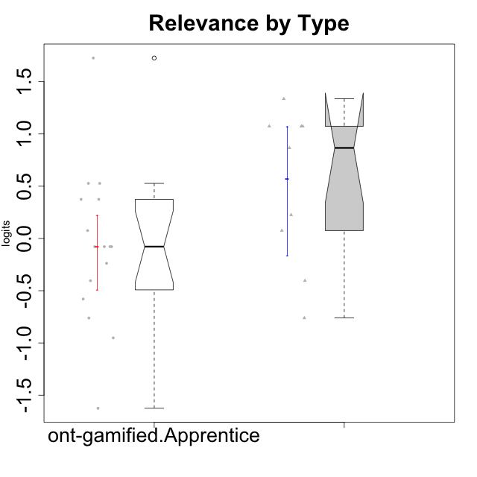

Wilcoxon data
UserID | NroUSP | Type | CLGroup | CLRole | PlayerRole | Score | theta | error | Outfit | Infit | Relevance
10169 | 10377538 | ont-gamified | Resistance | Apprentice | Social Achiever | 18 | 0.52718593153 | 0.41425163099 | 0.80757353251 | 0.82656818606 | 0.52718593153
10171 | 698531 | ont-gamified | Mafia | Master | Social Achiever | 21 | 1.0736189053 | 0.50109723009 | 0.15157022606 | 0.12215107136 | 1.0736189053
10175 | 10310700 | ont-gamified | Warriors | Master | Social Achiever | 21 | 1.0736189053 | 0.50109723009 | 0.49982479131 | 0.49834318736 | 1.0736189053
10176 | 10276949 | ont-gamified | Outlaws | Master | Social Achiever | 12 | -0.40449941825 | 0.41616720935 | 0.033182018631 | 0.033667884992 | -0.40449941825
10178 | 8656201 | ont-gamified | Outlaws | Apprentice | Social Achiever | 10 | -0.76124031117 | 0.4365077982 | 0.42879833285 | 0.40853635991 | -0.76124031117
10186 | 10310551 | ont-gamified | Slayers | Apprentice | Social Achiever | 18 | 0.52718593153 | 0.41425163099 | 1.9468717019 | 1.9519194555 | 0.52718593153
10188 | 10276995 | ont-gamified | Vandals | Master | Yee Achiever | 22 | 1.3363412484 | 0.57522663207 | 0.44395215557 | 0.45147767142 | 1.3363412484
10189 | 9363926 | ont-gamified | Vikings | Apprentice | Social Achiever | 11 | -0.57911350986 | 0.4254259586 | 3.4342149485 | 3.4479856723 | -0.57911350986
10192 | 10276682 | ont-gamified | Attractive Devils | Apprentice | Social Achiever | 14 | -0.07817697892 | 0.40283712974 | 1.4987951503 | 1.4888930518 | -0.07817697892
10193 | 10276762 | ont-gamified | Vandals | Apprentice | Yee Achiever | 23 | 1.7269646121 | 0.7257750579 | 0.47808799855 | 0.48020566534 | 1.7269646121
10198 | 10310888 | ont-gamified | Attractive Devils | Apprentice | Social Achiever | 17 | 0.37434421836 | 0.40453510857 | 0.30096040846 | 0.30640158868 | 0.37434421836
10200 | 9795272 | ont-gamified | Warriors | Apprentice | Social Achiever | 17 | 0.37434421836 | 0.40453510857 | 0.052218481054 | 0.050164566177 | 0.37434421836
10202 | 10277036 | ont-gamified | Silly Knights | Apprentice | Social Achiever | 14 | -0.07817697892 | 0.40283712974 | 0.55762969692 | 0.55846664048 | -0.07817697892
10203 | 9921470 | ont-gamified | Mercenaries | Apprentice | Social Achiever | 12 | -0.40449941825 | 0.41616720935 | 0.17361812825 | 0.17234426025 | -0.40449941825
10208 | 10276932 | ont-gamified | Mercenaries | Master | Social Achiever | 10 | -0.76124031117 | 0.4365077982 | 0.86207567592 | 0.87675596837 | -0.76124031117
10209 | 10262669 | ont-gamified | Mafia | Apprentice | Social Achiever | 13 | -0.23761607876 | 0.40851051629 | 1.8184059757 | 1.8670479443 | -0.23761607876
10214 | 10277022 | ont-gamified | Vikings | Apprentice | Social Achiever | 9 | -0.95156463626 | 0.45049223041 | 0.66330237539 | 0.67468990179 | -0.95156463626
10215 | 9285227 | ont-gamified | Vikings | Master | Social Achiever | 21 | 1.0736189053 | 0.50109723009 | 1.2999328876 | 1.425253835 | 1.0736189053
10216 | 10276720 | ont-gamified | Silly Knights | Master | Social Achiever | 20 | 0.86656034259 | 0.45786496764 | 0.32399068379 | 0.32909119605 | 0.86656034259
10221 | 9082496 | ont-gamified | Warriors | Apprentice | Social Achiever | 6 | -1.6250603201 | 0.53635969133 | 0.83616042739 | 0.86077745545 | -1.6250603201
10223 | 9795185 | ont-gamified | Slayers | Master | Social Achiever | 16 | 0.2250079886 | 0.40008315848 | 0.49944360111 | 0.49408739994 | 0.2250079886
10224 | 9368772 | ont-gamified | Mercenaries | Apprentice | Social Achiever | 14 | -0.07817697892 | 0.40283712974 | 0.069700448646 | 0.069707189674 | -0.07817697892
10228 | 10310492 | ont-gamified | Resistance | Apprentice | Social Achiever | 15 | 0.075225753988 | 0.39978940028 | 1.9603555337 | 1.9676725327 | 0.075225753988
10230 | 10351992 | ont-gamified | Resistance | Master | Social Achiever | 15 | 0.075225753988 | 0.39978940028 | 0.17403240351 | 0.17437121649 | 0.075225753988
10237 | 10377688 | ont-gamified | Outlaws | Apprentice | Social Achiever | 14 | -0.07817697892 | 0.40283712974 | 0.29653587695 | 0.30229150294 | -0.07817697892

Type_CLRole_2
Wilcoxon Analysis for Relevance by Type in Type:CLRole between ont-gamified.Apprentice:w/o-gamified.Apprentice

Wilcoxon test results
Alternative hypothesis: less
Group | N | Median | Mean.Ranks | Sum.Ranks | U | Z | p.value | r | magnitude
ont-gamified.Apprentice | 16 | -0.07817697892 | 18.46875 | 295.5 | 159.5 | 0.24971756617 | 0.60087186674 | 0.042209972706 | none
w/o-gamified.Apprentice | 19 | -0.07817697892 | 17.605263158 | 334.5 | 159.5 | 0.24971756617 | 0.60087186674 | 0.042209972706 | none
Alternative hypothesis: greater
Group | N | Median | Mean.Ranks | Sum.Ranks | U | Z | p.value | r | magnitude
ont-gamified.Apprentice | 16 | -0.07817697892 | 18.46875 | 295.5 | 159.5 | 0.24971756617 | 0.40590533906 | 0.042209972706 | none
w/o-gamified.Apprentice | 19 | -0.07817697892 | 17.605263158 | 334.5 | 159.5 | 0.24971756617 | 0.40590533906 | 0.042209972706 | none
Alternative hypothesis: two.sided
Group | N | Median | Mean.Ranks | Sum.Ranks | U | Z | p.value | r | magnitude
ont-gamified.Apprentice | 16 | -0.07817697892 | 18.46875 | 295.5 | 159.5 | 0.24971756617 | 0.81178380006 | 0.042209972706 | none
w/o-gamified.Apprentice | 19 | -0.07817697892 | 17.605263158 | 334.5 | 159.5 | 0.24971756617 | 0.81178380006 | 0.042209972706 | none

Box plots for wilcoxon tests
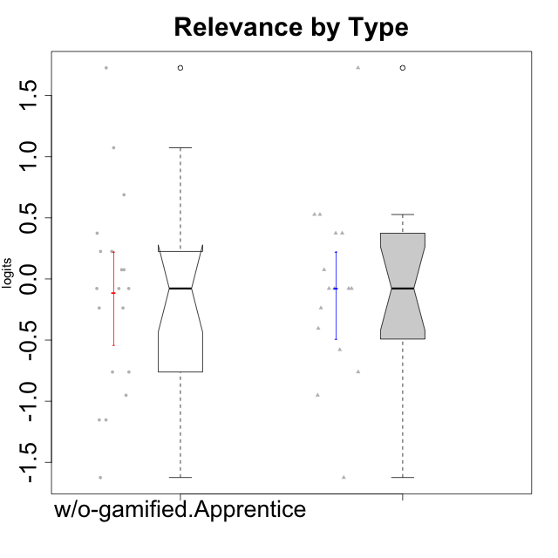

Wilcoxon data
UserID | NroUSP | Type | CLGroup | CLRole | PlayerRole | Score | theta | error | Outfit | Infit | Relevance
10169 | 10377538 | ont-gamified | Resistance | Apprentice | Social Achiever | 18 | 0.52718593153 | 0.41425163099 | 0.80757353251 | 0.82656818606 | 0.52718593153
10170 | 10260351 | w/o-gamified | Grupo11 | Apprentice |  | 17 | 0.37434421836 | 0.40453510857 | 1.5253222222 | 1.4637383701 | 0.37434421836
10172 | 10273971 | w/o-gamified | Grupo5 | Apprentice |  | 8 | -1.1531983773 | 0.46939627995 | 0.027746391645 | 0.02904490839 | -1.1531983773
10178 | 8656201 | ont-gamified | Outlaws | Apprentice | Social Achiever | 10 | -0.76124031117 | 0.4365077982 | 0.42879833285 | 0.40853635991 | -0.76124031117
10181 | 10276866 | w/o-gamified | Grupo2 | Apprentice |  | 14 | -0.07817697892 | 0.40283712974 | 0.58138654688 | 0.58283218602 | -0.07817697892
10183 | 10352030 | w/o-gamified | Grupo3 | Apprentice |  | 8 | -1.1531983773 | 0.46939627995 | 0.26782268156 | 0.26133854654 | -1.1531983773
10184 | 10276675 | w/o-gamified | Grupo10 | Apprentice |  | 15 | 0.075225753988 | 0.39978940028 | 1.4259218399 | 1.4097387633 | 0.075225753988
10185 | 10276960 | w/o-gamified | Grupo9 | Apprentice |  | 10 | -0.76124031117 | 0.4365077982 | 1.2700477392 | 1.2717117113 | -0.76124031117
10186 | 10310551 | ont-gamified | Slayers | Apprentice | Social Achiever | 18 | 0.52718593153 | 0.41425163099 | 1.9468717019 | 1.9519194555 | 0.52718593153
10189 | 9363926 | ont-gamified | Vikings | Apprentice | Social Achiever | 11 | -0.57911350986 | 0.4254259586 | 3.4342149485 | 3.4479856723 | -0.57911350986
10190 | 10276907 | w/o-gamified | Grupo4 | Apprentice |  | 9 | -0.95156463626 | 0.45049223041 | 0.068269547823 | 0.071051822191 | -0.95156463626
10192 | 10276682 | ont-gamified | Attractive Devils | Apprentice | Social Achiever | 14 | -0.07817697892 | 0.40283712974 | 1.4987951503 | 1.4888930518 | -0.07817697892
10193 | 10276762 | ont-gamified | Vandals | Apprentice | Yee Achiever | 23 | 1.7269646121 | 0.7257750579 | 0.47808799855 | 0.48020566534 | 1.7269646121
10197 | 10276661 | w/o-gamified | Grupo8 | Apprentice |  | 16 | 0.2250079886 | 0.40008315848 | 1.740756168 | 1.7468909717 | 0.2250079886
10198 | 10310888 | ont-gamified | Attractive Devils | Apprentice | Social Achiever | 17 | 0.37434421836 | 0.40453510857 | 0.30096040846 | 0.30640158868 | 0.37434421836
10199 | 10276737 | w/o-gamified | Grupo1 | Apprentice |  | 14 | -0.07817697892 | 0.40283712974 | 0.29653587695 | 0.30229150294 | -0.07817697892
10200 | 9795272 | ont-gamified | Warriors | Apprentice | Social Achiever | 17 | 0.37434421836 | 0.40453510857 | 0.052218481054 | 0.050164566177 | 0.37434421836
10201 | 10276928 | w/o-gamified | Grupo11 | Apprentice |  | 10 | -0.76124031117 | 0.4365077982 | 0.89153649107 | 0.8831433146 | -0.76124031117
10202 | 10277036 | ont-gamified | Silly Knights | Apprentice | Social Achiever | 14 | -0.07817697892 | 0.40283712974 | 0.55762969692 | 0.55846664048 | -0.07817697892
10203 | 9921470 | ont-gamified | Mercenaries | Apprentice | Social Achiever | 12 | -0.40449941825 | 0.41616720935 | 0.17361812825 | 0.17234426025 | -0.40449941825
10204 | 10310471 | w/o-gamified | Grupo6 | Apprentice |  | 13 | -0.23761607876 | 0.40851051629 | 2.2915218017 | 2.2892005685 | -0.23761607876
10206 | 10310721 | w/o-gamified | Grupo8 | Apprentice |  | 15 | 0.075225753988 | 0.39978940028 | 0.057844113552 | 0.057404915233 | 0.075225753988
10209 | 10262669 | ont-gamified | Mafia | Apprentice | Social Achiever | 13 | -0.23761607876 | 0.40851051629 | 1.8184059757 | 1.8670479443 | -0.23761607876
10210 | 10277015 | w/o-gamified | Grupo6 | Apprentice |  | 6 | -1.6250603201 | 0.53635969133 | 1.1686732143 | 1.0821595326 | -1.6250603201
10213 | 10277040 | w/o-gamified | Grupo7 | Apprentice |  | 23 | 1.7269646121 | 0.7257750579 | 0.41759844366 | 0.43219940522 | 1.7269646121
10214 | 10277022 | ont-gamified | Vikings | Apprentice | Social Achiever | 9 | -0.95156463626 | 0.45049223041 | 0.66330237539 | 0.67468990179 | -0.95156463626
10217 | 9805341 | w/o-gamified | Grupo9 | Apprentice |  | 16 | 0.2250079886 | 0.40008315848 | 0.03615655858 | 0.035784976795 | 0.2250079886
10218 | 9842913 | w/o-gamified | Grupo10 | Apprentice |  | 14 | -0.07817697892 | 0.40283712974 | 0.32585159579 | 0.32588232721 | -0.07817697892
10220 | 9760151 | w/o-gamified | Grupo3 | Apprentice |  | 21 | 1.0736189053 | 0.50109723009 | 1.2999328876 | 1.425253835 | 1.0736189053
10221 | 9082496 | ont-gamified | Warriors | Apprentice | Social Achiever | 6 | -1.6250603201 | 0.53635969133 | 0.83616042739 | 0.86077745545 | -1.6250603201
10224 | 9368772 | ont-gamified | Mercenaries | Apprentice | Social Achiever | 14 | -0.07817697892 | 0.40283712974 | 0.069700448646 | 0.069707189674 | -0.07817697892
10226 | 10310342 | w/o-gamified | Grupo4 | Apprentice |  | 13 | -0.23761607876 | 0.40851051629 | 1.1451994005 | 1.1327268533 | -0.23761607876
10228 | 10310492 | ont-gamified | Resistance | Apprentice | Social Achiever | 15 | 0.075225753988 | 0.39978940028 | 1.9603555337 | 1.9676725327 | 0.075225753988
10232 | 10276974 | w/o-gamified | Grupo7 | Apprentice |  | 19 | 0.6887210576 | 0.43098781127 | 0.60412392003 | 0.60914971035 | 0.6887210576
10237 | 10377688 | ont-gamified | Outlaws | Apprentice | Social Achiever | 14 | -0.07817697892 | 0.40283712974 | 0.29653587695 | 0.30229150294 | -0.07817697892

Type_CLRole_3
Wilcoxon Analysis for Relevance by Type in Type:CLRole between ont-gamified.Apprentice:w/o-gamified.Master

Wilcoxon test results
Alternative hypothesis: less
Group | N | Median | Mean.Ranks | Sum.Ranks | U | Z | p.value | r | magnitude
ont-gamified.Apprentice | 16 | -0.07817697892 | 12.46875 | 199.5 | 63.5 | -0.030922619969 | 0.49439066938 | 0.0063120533694 | none
w/o-gamified.Master | 8 | -0.07817697892 | 12.5625 | 100.5 | 63.5 | -0.030922619969 | 0.49439066938 | 0.0063120533694 | none
Alternative hypothesis: greater
Group | N | Median | Mean.Ranks | Sum.Ranks | U | Z | p.value | r | magnitude
ont-gamified.Apprentice | 16 | -0.07817697892 | 12.46875 | 199.5 | 63.5 | -0.030922619969 | 0.51799867024 | 0.0063120533694 | none
w/o-gamified.Master | 8 | -0.07817697892 | 12.5625 | 100.5 | 63.5 | -0.030922619969 | 0.51799867024 | 0.0063120533694 | none
Alternative hypothesis: two.sided
Group | N | Median | Mean.Ranks | Sum.Ranks | U | Z | p.value | r | magnitude
ont-gamified.Apprentice | 16 | -0.07817697892 | 12.46875 | 199.5 | 63.5 | -0.030922619969 | 0.98842918348 | 0.0063120533694 | none
w/o-gamified.Master | 8 | -0.07817697892 | 12.5625 | 100.5 | 63.5 | -0.030922619969 | 0.98842918348 | 0.0063120533694 | none

Box plots for wilcoxon tests
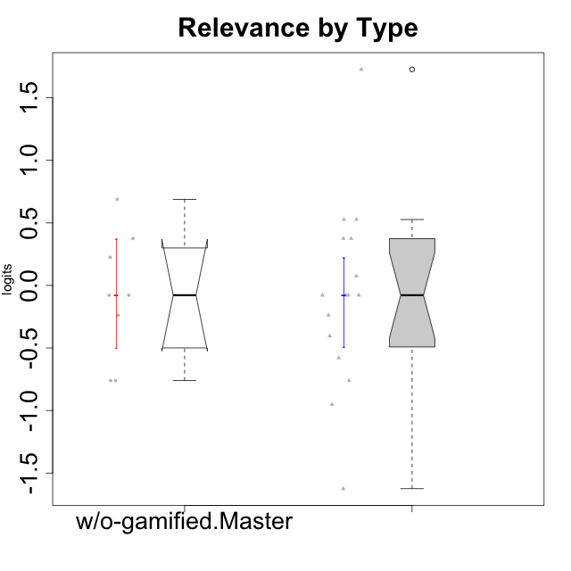

Wilcoxon data
UserID | NroUSP | Type | CLGroup | CLRole | PlayerRole | Score | theta | error | Outfit | Infit | Relevance
10169 | 10377538 | ont-gamified | Resistance | Apprentice | Social Achiever | 18 | 0.52718593153 | 0.41425163099 | 0.80757353251 | 0.82656818606 | 0.52718593153
10174 | 10276852 | w/o-gamified | Grupo7 | Master |  | 10 | -0.76124031117 | 0.4365077982 | 0.81015642522 | 0.80784745412 | -0.76124031117
10178 | 8656201 | ont-gamified | Outlaws | Apprentice | Social Achiever | 10 | -0.76124031117 | 0.4365077982 | 0.42879833285 | 0.40853635991 | -0.76124031117
10179 | 10310759 | w/o-gamified | Grupo10 | Master |  | 17 | 0.37434421836 | 0.40453510857 | 0.43916850134 | 0.44852296084 | 0.37434421836
10186 | 10310551 | ont-gamified | Slayers | Apprentice | Social Achiever | 18 | 0.52718593153 | 0.41425163099 | 1.9468717019 | 1.9519194555 | 0.52718593153
10189 | 9363926 | ont-gamified | Vikings | Apprentice | Social Achiever | 11 | -0.57911350986 | 0.4254259586 | 3.4342149485 | 3.4479856723 | -0.57911350986
10191 | 10276981 | w/o-gamified | Grupo1 | Master |  | 13 | -0.23761607876 | 0.40851051629 | 1.4535604535 | 1.4920039642 | -0.23761607876
10192 | 10276682 | ont-gamified | Attractive Devils | Apprentice | Social Achiever | 14 | -0.07817697892 | 0.40283712974 | 1.4987951503 | 1.4888930518 | -0.07817697892
10193 | 10276762 | ont-gamified | Vandals | Apprentice | Yee Achiever | 23 | 1.7269646121 | 0.7257750579 | 0.47808799855 | 0.48020566534 | 1.7269646121
10198 | 10310888 | ont-gamified | Attractive Devils | Apprentice | Social Achiever | 17 | 0.37434421836 | 0.40453510857 | 0.30096040846 | 0.30640158868 | 0.37434421836
10200 | 9795272 | ont-gamified | Warriors | Apprentice | Social Achiever | 17 | 0.37434421836 | 0.40453510857 | 0.052218481054 | 0.050164566177 | 0.37434421836
10202 | 10277036 | ont-gamified | Silly Knights | Apprentice | Social Achiever | 14 | -0.07817697892 | 0.40283712974 | 0.55762969692 | 0.55846664048 | -0.07817697892
10203 | 9921470 | ont-gamified | Mercenaries | Apprentice | Social Achiever | 12 | -0.40449941825 | 0.41616720935 | 0.17361812825 | 0.17234426025 | -0.40449941825
10209 | 10262669 | ont-gamified | Mafia | Apprentice | Social Achiever | 13 | -0.23761607876 | 0.40851051629 | 1.8184059757 | 1.8670479443 | -0.23761607876
10214 | 10277022 | ont-gamified | Vikings | Apprentice | Social Achiever | 9 | -0.95156463626 | 0.45049223041 | 0.66330237539 | 0.67468990179 | -0.95156463626
10219 | 10276831 | w/o-gamified | Grupo3 | Master |  | 10 | -0.76124031117 | 0.4365077982 | 0.30037858261 | 0.30165741252 | -0.76124031117
10221 | 9082496 | ont-gamified | Warriors | Apprentice | Social Achiever | 6 | -1.6250603201 | 0.53635969133 | 0.83616042739 | 0.86077745545 | -1.6250603201
10224 | 9368772 | ont-gamified | Mercenaries | Apprentice | Social Achiever | 14 | -0.07817697892 | 0.40283712974 | 0.069700448646 | 0.069707189674 | -0.07817697892
10227 | 9274382 | w/o-gamified | Grupo5 | Master |  | 16 | 0.2250079886 | 0.40008315848 | 0.41827365963 | 0.41955448939 | 0.2250079886
10228 | 10310492 | ont-gamified | Resistance | Apprentice | Social Achiever | 15 | 0.075225753988 | 0.39978940028 | 1.9603555337 | 1.9676725327 | 0.075225753988
10231 | 10276911 | w/o-gamified | Grupo9 | Master |  | 14 | -0.07817697892 | 0.40283712974 | 0.29653587695 | 0.30229150294 | -0.07817697892
10234 | 10310676 | w/o-gamified | Grupo4 | Master |  | 19 | 0.6887210576 | 0.43098781127 | 0.81901604855 | 0.84104413198 | 0.6887210576
10237 | 10377688 | ont-gamified | Outlaws | Apprentice | Social Achiever | 14 | -0.07817697892 | 0.40283712974 | 0.29653587695 | 0.30229150294 | -0.07817697892
10238 | 10276953 | w/o-gamified | Grupo2 | Master |  | 14 | -0.07817697892 | 0.40283712974 | 0.20704999235 | 0.20997753122 | -0.07817697892

Type_CLRole_4
Wilcoxon Analysis for Relevance by Type in Type:CLRole between ont-gamified.Master:w/o-gamified.Apprentice

Wilcoxon test results
Alternative hypothesis: less
Group | N | Median | Mean.Ranks | Sum.Ranks | U | Z | p.value | r | magnitude
ont-gamified.Master | 9 | 0.86656034259 | 18.833333333 | 169.5 | 124.5 | 1.9258770042 | 0.97428296341 | 0.36395654349 | medium
w/o-gamified.Apprentice | 19 | -0.07817697892 | 12.447368421 | 236.5 | 124.5 | 1.9258770042 | 0.97428296341 | 0.36395654349 | medium
Alternative hypothesis: greater
Group | N | Median | Mean.Ranks | Sum.Ranks | U | Z | p.value | r | magnitude
ont-gamified.Master | 9 | 0.86656034259 | 18.833333333 | 169.5 | 124.5 | 1.9258770042 | 0.027343236474 | 0.36395654349 | medium
w/o-gamified.Apprentice | 19 | -0.07817697892 | 12.447368421 | 236.5 | 124.5 | 1.9258770042 | 0.027343236474 | 0.36395654349 | medium
Alternative hypothesis: two.sided
Group | N | Median | Mean.Ranks | Sum.Ranks | U | Z | p.value | r | magnitude
ont-gamified.Master | 9 | 0.86656034259 | 18.833333333 | 169.5 | 124.5 | 1.9258770042 | 0.054700372092 | 0.36395654349 | medium
w/o-gamified.Apprentice | 19 | -0.07817697892 | 12.447368421 | 236.5 | 124.5 | 1.9258770042 | 0.054700372092 | 0.36395654349 | medium

Box plots for wilcoxon tests
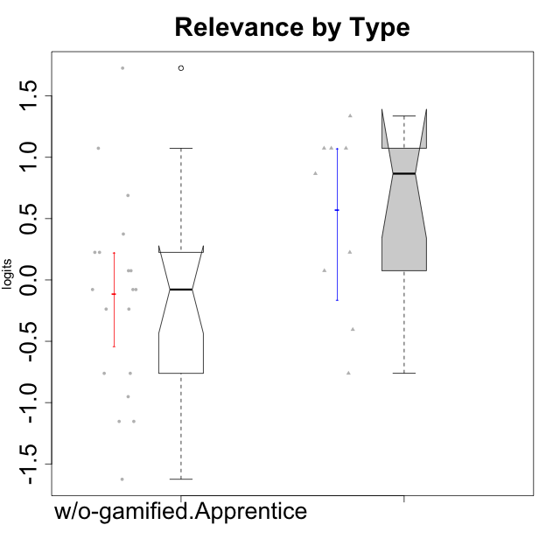

Wilcoxon data
UserID | NroUSP | Type | CLGroup | CLRole | PlayerRole | Score | theta | error | Outfit | Infit | Relevance
10170 | 10260351 | w/o-gamified | Grupo11 | Apprentice |  | 17 | 0.37434421836 | 0.40453510857 | 1.5253222222 | 1.4637383701 | 0.37434421836
10171 | 698531 | ont-gamified | Mafia | Master | Social Achiever | 21 | 1.0736189053 | 0.50109723009 | 0.15157022606 | 0.12215107136 | 1.0736189053
10172 | 10273971 | w/o-gamified | Grupo5 | Apprentice |  | 8 | -1.1531983773 | 0.46939627995 | 0.027746391645 | 0.02904490839 | -1.1531983773
10175 | 10310700 | ont-gamified | Warriors | Master | Social Achiever | 21 | 1.0736189053 | 0.50109723009 | 0.49982479131 | 0.49834318736 | 1.0736189053
10176 | 10276949 | ont-gamified | Outlaws | Master | Social Achiever | 12 | -0.40449941825 | 0.41616720935 | 0.033182018631 | 0.033667884992 | -0.40449941825
10181 | 10276866 | w/o-gamified | Grupo2 | Apprentice |  | 14 | -0.07817697892 | 0.40283712974 | 0.58138654688 | 0.58283218602 | -0.07817697892
10183 | 10352030 | w/o-gamified | Grupo3 | Apprentice |  | 8 | -1.1531983773 | 0.46939627995 | 0.26782268156 | 0.26133854654 | -1.1531983773
10184 | 10276675 | w/o-gamified | Grupo10 | Apprentice |  | 15 | 0.075225753988 | 0.39978940028 | 1.4259218399 | 1.4097387633 | 0.075225753988
10185 | 10276960 | w/o-gamified | Grupo9 | Apprentice |  | 10 | -0.76124031117 | 0.4365077982 | 1.2700477392 | 1.2717117113 | -0.76124031117
10188 | 10276995 | ont-gamified | Vandals | Master | Yee Achiever | 22 | 1.3363412484 | 0.57522663207 | 0.44395215557 | 0.45147767142 | 1.3363412484
10190 | 10276907 | w/o-gamified | Grupo4 | Apprentice |  | 9 | -0.95156463626 | 0.45049223041 | 0.068269547823 | 0.071051822191 | -0.95156463626
10197 | 10276661 | w/o-gamified | Grupo8 | Apprentice |  | 16 | 0.2250079886 | 0.40008315848 | 1.740756168 | 1.7468909717 | 0.2250079886
10199 | 10276737 | w/o-gamified | Grupo1 | Apprentice |  | 14 | -0.07817697892 | 0.40283712974 | 0.29653587695 | 0.30229150294 | -0.07817697892
10201 | 10276928 | w/o-gamified | Grupo11 | Apprentice |  | 10 | -0.76124031117 | 0.4365077982 | 0.89153649107 | 0.8831433146 | -0.76124031117
10204 | 10310471 | w/o-gamified | Grupo6 | Apprentice |  | 13 | -0.23761607876 | 0.40851051629 | 2.2915218017 | 2.2892005685 | -0.23761607876
10206 | 10310721 | w/o-gamified | Grupo8 | Apprentice |  | 15 | 0.075225753988 | 0.39978940028 | 0.057844113552 | 0.057404915233 | 0.075225753988
10208 | 10276932 | ont-gamified | Mercenaries | Master | Social Achiever | 10 | -0.76124031117 | 0.4365077982 | 0.86207567592 | 0.87675596837 | -0.76124031117
10210 | 10277015 | w/o-gamified | Grupo6 | Apprentice |  | 6 | -1.6250603201 | 0.53635969133 | 1.1686732143 | 1.0821595326 | -1.6250603201
10213 | 10277040 | w/o-gamified | Grupo7 | Apprentice |  | 23 | 1.7269646121 | 0.7257750579 | 0.41759844366 | 0.43219940522 | 1.7269646121
10215 | 9285227 | ont-gamified | Vikings | Master | Social Achiever | 21 | 1.0736189053 | 0.50109723009 | 1.2999328876 | 1.425253835 | 1.0736189053
10216 | 10276720 | ont-gamified | Silly Knights | Master | Social Achiever | 20 | 0.86656034259 | 0.45786496764 | 0.32399068379 | 0.32909119605 | 0.86656034259
10217 | 9805341 | w/o-gamified | Grupo9 | Apprentice |  | 16 | 0.2250079886 | 0.40008315848 | 0.03615655858 | 0.035784976795 | 0.2250079886
10218 | 9842913 | w/o-gamified | Grupo10 | Apprentice |  | 14 | -0.07817697892 | 0.40283712974 | 0.32585159579 | 0.32588232721 | -0.07817697892
10220 | 9760151 | w/o-gamified | Grupo3 | Apprentice |  | 21 | 1.0736189053 | 0.50109723009 | 1.2999328876 | 1.425253835 | 1.0736189053
10223 | 9795185 | ont-gamified | Slayers | Master | Social Achiever | 16 | 0.2250079886 | 0.40008315848 | 0.49944360111 | 0.49408739994 | 0.2250079886
10226 | 10310342 | w/o-gamified | Grupo4 | Apprentice |  | 13 | -0.23761607876 | 0.40851051629 | 1.1451994005 | 1.1327268533 | -0.23761607876
10230 | 10351992 | ont-gamified | Resistance | Master | Social Achiever | 15 | 0.075225753988 | 0.39978940028 | 0.17403240351 | 0.17437121649 | 0.075225753988
10232 | 10276974 | w/o-gamified | Grupo7 | Apprentice |  | 19 | 0.6887210576 | 0.43098781127 | 0.60412392003 | 0.60914971035 | 0.6887210576

Type_CLRole_5
Wilcoxon Analysis for Relevance by Type in Type:CLRole between ont-gamified.Master:w/o-gamified.Master

Wilcoxon test results
Alternative hypothesis: less
Group | N | Median | Mean.Ranks | Sum.Ranks | U | Z | p.value | r | magnitude
ont-gamified.Master | 9 | 0.86656034259 | 10.944444444 | 98.5 | 53.5 | 1.6943523503 | 0.95726038667 | 0.41094080631 | medium
w/o-gamified.Master | 8 | -0.07817697892 | 6.8125 | 54.5 | 53.5 | 1.6943523503 | 0.95726038667 | 0.41094080631 | medium
Alternative hypothesis: greater
Group | N | Median | Mean.Ranks | Sum.Ranks | U | Z | p.value | r | magnitude
ont-gamified.Master | 9 | 0.86656034259 | 10.944444444 | 98.5 | 53.5 | 1.6943523503 | 0.047758124229 | 0.41094080631 | medium
w/o-gamified.Master | 8 | -0.07817697892 | 6.8125 | 54.5 | 53.5 | 1.6943523503 | 0.047758124229 | 0.41094080631 | medium
Alternative hypothesis: two.sided
Group | N | Median | Mean.Ranks | Sum.Ranks | U | Z | p.value | r | magnitude
ont-gamified.Master | 9 | 0.86656034259 | 10.944444444 | 98.5 | 53.5 | 1.6943523503 | 0.095392842452 | 0.41094080631 | medium
w/o-gamified.Master | 8 | -0.07817697892 | 6.8125 | 54.5 | 53.5 | 1.6943523503 | 0.095392842452 | 0.41094080631 | medium

Box plots for wilcoxon tests
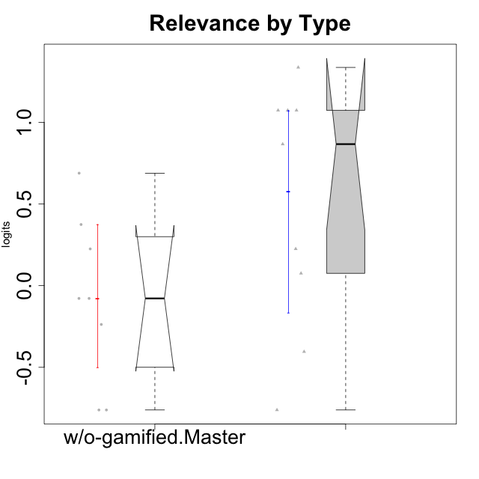

Wilcoxon data
UserID | NroUSP | Type | CLGroup | CLRole | PlayerRole | Score | theta | error | Outfit | Infit | Relevance
10171 | 698531 | ont-gamified | Mafia | Master | Social Achiever | 21 | 1.0736189053 | 0.50109723009 | 0.15157022606 | 0.12215107136 | 1.0736189053
10174 | 10276852 | w/o-gamified | Grupo7 | Master |  | 10 | -0.76124031117 | 0.4365077982 | 0.81015642522 | 0.80784745412 | -0.76124031117
10175 | 10310700 | ont-gamified | Warriors | Master | Social Achiever | 21 | 1.0736189053 | 0.50109723009 | 0.49982479131 | 0.49834318736 | 1.0736189053
10176 | 10276949 | ont-gamified | Outlaws | Master | Social Achiever | 12 | -0.40449941825 | 0.41616720935 | 0.033182018631 | 0.033667884992 | -0.40449941825
10179 | 10310759 | w/o-gamified | Grupo10 | Master |  | 17 | 0.37434421836 | 0.40453510857 | 0.43916850134 | 0.44852296084 | 0.37434421836
10188 | 10276995 | ont-gamified | Vandals | Master | Yee Achiever | 22 | 1.3363412484 | 0.57522663207 | 0.44395215557 | 0.45147767142 | 1.3363412484
10191 | 10276981 | w/o-gamified | Grupo1 | Master |  | 13 | -0.23761607876 | 0.40851051629 | 1.4535604535 | 1.4920039642 | -0.23761607876
10208 | 10276932 | ont-gamified | Mercenaries | Master | Social Achiever | 10 | -0.76124031117 | 0.4365077982 | 0.86207567592 | 0.87675596837 | -0.76124031117
10215 | 9285227 | ont-gamified | Vikings | Master | Social Achiever | 21 | 1.0736189053 | 0.50109723009 | 1.2999328876 | 1.425253835 | 1.0736189053
10216 | 10276720 | ont-gamified | Silly Knights | Master | Social Achiever | 20 | 0.86656034259 | 0.45786496764 | 0.32399068379 | 0.32909119605 | 0.86656034259
10219 | 10276831 | w/o-gamified | Grupo3 | Master |  | 10 | -0.76124031117 | 0.4365077982 | 0.30037858261 | 0.30165741252 | -0.76124031117
10223 | 9795185 | ont-gamified | Slayers | Master | Social Achiever | 16 | 0.2250079886 | 0.40008315848 | 0.49944360111 | 0.49408739994 | 0.2250079886
10227 | 9274382 | w/o-gamified | Grupo5 | Master |  | 16 | 0.2250079886 | 0.40008315848 | 0.41827365963 | 0.41955448939 | 0.2250079886
10230 | 10351992 | ont-gamified | Resistance | Master | Social Achiever | 15 | 0.075225753988 | 0.39978940028 | 0.17403240351 | 0.17437121649 | 0.075225753988
10231 | 10276911 | w/o-gamified | Grupo9 | Master |  | 14 | -0.07817697892 | 0.40283712974 | 0.29653587695 | 0.30229150294 | -0.07817697892
10234 | 10310676 | w/o-gamified | Grupo4 | Master |  | 19 | 0.6887210576 | 0.43098781127 | 0.81901604855 | 0.84104413198 | 0.6887210576
10238 | 10276953 | w/o-gamified | Grupo2 | Master |  | 14 | -0.07817697892 | 0.40283712974 | 0.20704999235 | 0.20997753122 | -0.07817697892

Type_CLRole_6
Wilcoxon Analysis for Relevance by Type in Type:CLRole between w/o-gamified.Apprentice:w/o-gamified.Master

Wilcoxon test results
Alternative hypothesis: less
Group | N | Median | Mean.Ranks | Sum.Ranks | U | Z | p.value | r | magnitude
w/o-gamified.Apprentice | 19 | -0.07817697892 | 13.684210526 | 260 | 70 | -0.32065868153 | 0.3814663919 | 0.061710792033 | none
w/o-gamified.Master | 8 | -0.07817697892 | 14.75 | 118 | 70 | -0.32065868153 | 0.3814663919 | 0.061710792033 | none
Alternative hypothesis: greater
Group | N | Median | Mean.Ranks | Sum.Ranks | U | Z | p.value | r | magnitude
w/o-gamified.Apprentice | 19 | -0.07817697892 | 13.684210526 | 260 | 70 | -0.32065868153 | 0.62823508215 | 0.061710792033 | none
w/o-gamified.Master | 8 | -0.07817697892 | 14.75 | 118 | 70 | -0.32065868153 | 0.62823508215 | 0.061710792033 | none
Alternative hypothesis: two.sided
Group | N | Median | Mean.Ranks | Sum.Ranks | U | Z | p.value | r | magnitude
w/o-gamified.Apprentice | 19 | -0.07817697892 | 13.684210526 | 260 | 70 | -0.32065868153 | 0.76314088488 | 0.061710792033 | none
w/o-gamified.Master | 8 | -0.07817697892 | 14.75 | 118 | 70 | -0.32065868153 | 0.76314088488 | 0.061710792033 | none

Box plots for wilcoxon tests
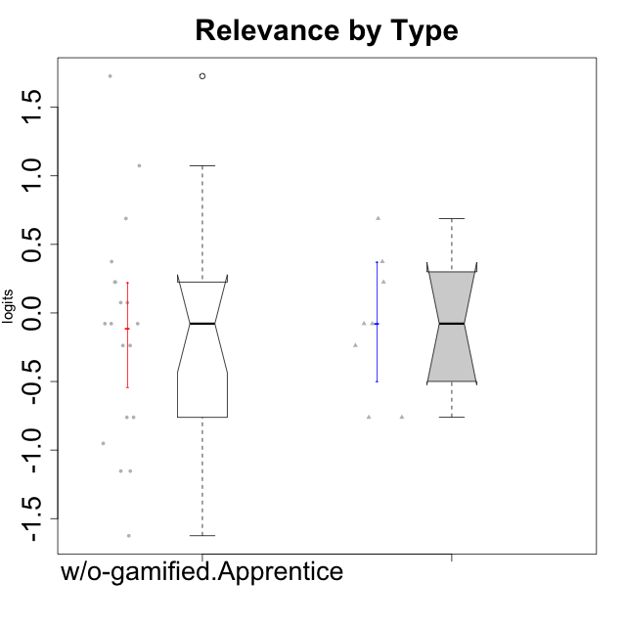

Wilcoxon data
UserID | NroUSP | Type | CLGroup | CLRole | PlayerRole | Score | theta | error | Outfit | Infit | Relevance
10170 | 10260351 | w/o-gamified | Grupo11 | Apprentice |  | 17 | 0.37434421836 | 0.40453510857 | 1.5253222222 | 1.4637383701 | 0.37434421836
10172 | 10273971 | w/o-gamified | Grupo5 | Apprentice |  | 8 | -1.1531983773 | 0.46939627995 | 0.027746391645 | 0.02904490839 | -1.1531983773
10174 | 10276852 | w/o-gamified | Grupo7 | Master |  | 10 | -0.76124031117 | 0.4365077982 | 0.81015642522 | 0.80784745412 | -0.76124031117
10179 | 10310759 | w/o-gamified | Grupo10 | Master |  | 17 | 0.37434421836 | 0.40453510857 | 0.43916850134 | 0.44852296084 | 0.37434421836
10181 | 10276866 | w/o-gamified | Grupo2 | Apprentice |  | 14 | -0.07817697892 | 0.40283712974 | 0.58138654688 | 0.58283218602 | -0.07817697892
10183 | 10352030 | w/o-gamified | Grupo3 | Apprentice |  | 8 | -1.1531983773 | 0.46939627995 | 0.26782268156 | 0.26133854654 | -1.1531983773
10184 | 10276675 | w/o-gamified | Grupo10 | Apprentice |  | 15 | 0.075225753988 | 0.39978940028 | 1.4259218399 | 1.4097387633 | 0.075225753988
10185 | 10276960 | w/o-gamified | Grupo9 | Apprentice |  | 10 | -0.76124031117 | 0.4365077982 | 1.2700477392 | 1.2717117113 | -0.76124031117
10190 | 10276907 | w/o-gamified | Grupo4 | Apprentice |  | 9 | -0.95156463626 | 0.45049223041 | 0.068269547823 | 0.071051822191 | -0.95156463626
10191 | 10276981 | w/o-gamified | Grupo1 | Master |  | 13 | -0.23761607876 | 0.40851051629 | 1.4535604535 | 1.4920039642 | -0.23761607876
10197 | 10276661 | w/o-gamified | Grupo8 | Apprentice |  | 16 | 0.2250079886 | 0.40008315848 | 1.740756168 | 1.7468909717 | 0.2250079886
10199 | 10276737 | w/o-gamified | Grupo1 | Apprentice |  | 14 | -0.07817697892 | 0.40283712974 | 0.29653587695 | 0.30229150294 | -0.07817697892
10201 | 10276928 | w/o-gamified | Grupo11 | Apprentice |  | 10 | -0.76124031117 | 0.4365077982 | 0.89153649107 | 0.8831433146 | -0.76124031117
10204 | 10310471 | w/o-gamified | Grupo6 | Apprentice |  | 13 | -0.23761607876 | 0.40851051629 | 2.2915218017 | 2.2892005685 | -0.23761607876
10206 | 10310721 | w/o-gamified | Grupo8 | Apprentice |  | 15 | 0.075225753988 | 0.39978940028 | 0.057844113552 | 0.057404915233 | 0.075225753988
10210 | 10277015 | w/o-gamified | Grupo6 | Apprentice |  | 6 | -1.6250603201 | 0.53635969133 | 1.1686732143 | 1.0821595326 | -1.6250603201
10213 | 10277040 | w/o-gamified | Grupo7 | Apprentice |  | 23 | 1.7269646121 | 0.7257750579 | 0.41759844366 | 0.43219940522 | 1.7269646121
10217 | 9805341 | w/o-gamified | Grupo9 | Apprentice |  | 16 | 0.2250079886 | 0.40008315848 | 0.03615655858 | 0.035784976795 | 0.2250079886
10218 | 9842913 | w/o-gamified | Grupo10 | Apprentice |  | 14 | -0.07817697892 | 0.40283712974 | 0.32585159579 | 0.32588232721 | -0.07817697892
10219 | 10276831 | w/o-gamified | Grupo3 | Master |  | 10 | -0.76124031117 | 0.4365077982 | 0.30037858261 | 0.30165741252 | -0.76124031117
10220 | 9760151 | w/o-gamified | Grupo3 | Apprentice |  | 21 | 1.0736189053 | 0.50109723009 | 1.2999328876 | 1.425253835 | 1.0736189053
10226 | 10310342 | w/o-gamified | Grupo4 | Apprentice |  | 13 | -0.23761607876 | 0.40851051629 | 1.1451994005 | 1.1327268533 | -0.23761607876
10227 | 9274382 | w/o-gamified | Grupo5 | Master |  | 16 | 0.2250079886 | 0.40008315848 | 0.41827365963 | 0.41955448939 | 0.2250079886
10231 | 10276911 | w/o-gamified | Grupo9 | Master |  | 14 | -0.07817697892 | 0.40283712974 | 0.29653587695 | 0.30229150294 | -0.07817697892
10232 | 10276974 | w/o-gamified | Grupo7 | Apprentice |  | 19 | 0.6887210576 | 0.43098781127 | 0.60412392003 | 0.60914971035 | 0.6887210576
10234 | 10310676 | w/o-gamified | Grupo4 | Master |  | 19 | 0.6887210576 | 0.43098781127 | 0.81901604855 | 0.84104413198 | 0.6887210576
10238 | 10276953 | w/o-gamified | Grupo2 | Master |  | 14 | -0.07817697892 | 0.40283712974 | 0.20704999235 | 0.20997753122 | -0.07817697892

