Assumptions
ANOVA assumptions for Perceived Choice by Type

Shapiro-Wilk normality test for Perceived Choice by Type
W | p.value
0.96847334105 | 0.12280910029

Plots for normality test
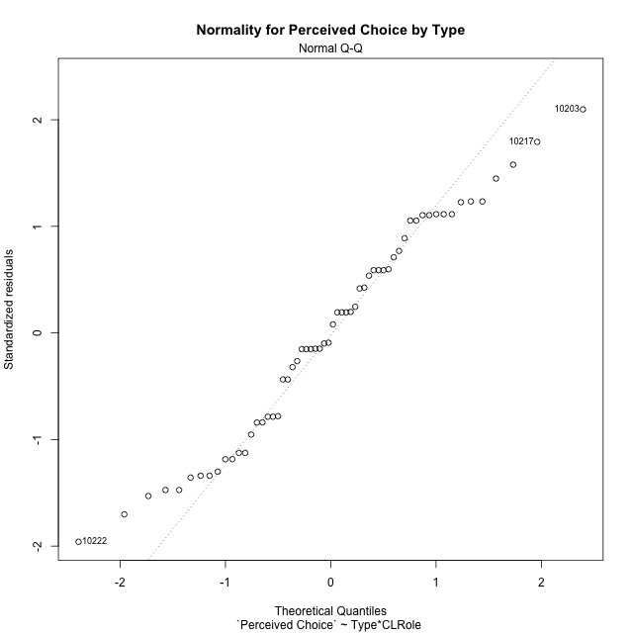

Levene's Test for Homogeneity of Variance in Perceived Choice by Type
Df | F value | Pr(>F)
3 | 1.2766070396 | 0.2912768183
56

Plots for homogeneity of variance
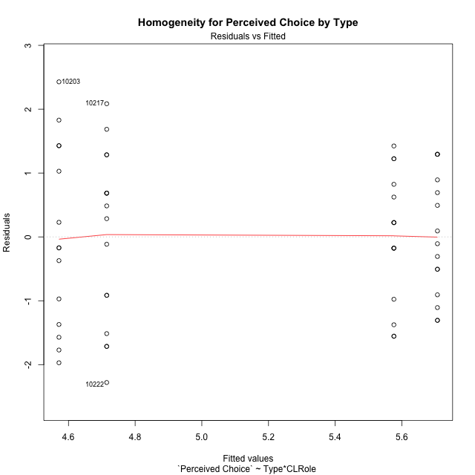

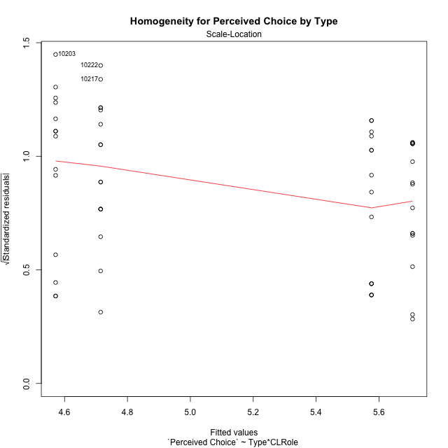

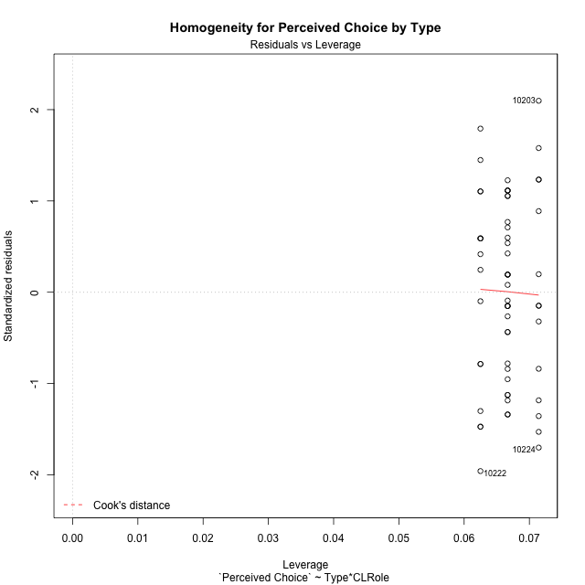

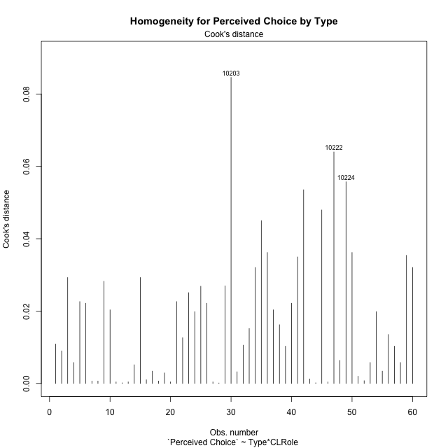

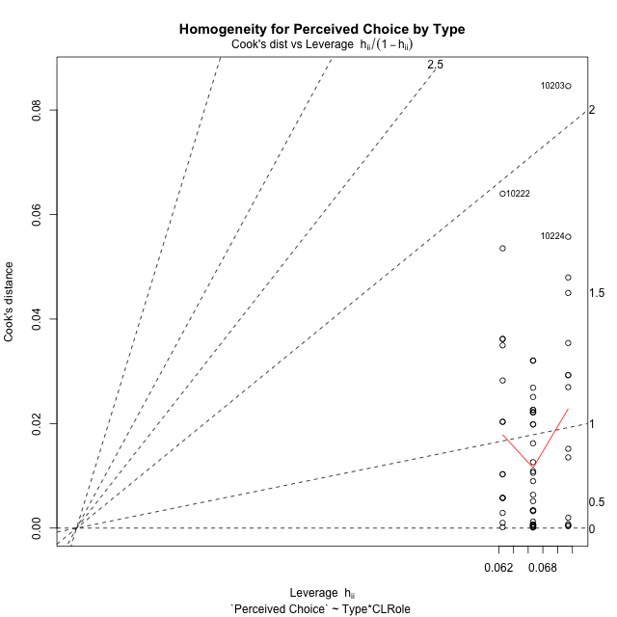

Minimum Sample Size Test for Perceived Choice by Type
Type | CLRole | Freq
non-gamified | Apprentice | 14
ont-gamified | Apprentice | 15
non-gamified | Master | 16
ont-gamified | Master | 15

Errors and Warnings in Sample Size Test for ANOVA in Perceived Choice by Type
code | description
WARN: sample.size | current size is 14 and recommended size is 15 for the group: 'non-gamified:Apprentice'.

For the group: 'non-gamified:Apprentice', we recommend the use of non-parametric test. For the group: 'ont-gamified:Apprentice', you can perform a parametric test without having a normal distribution For the group: 'non-gamified:Master', you can perform a parametric test without having a normal distribution For the group: 'ont-gamified:Master', you can perform a parametric test without having a normal distribution

If you don't want to remove non-normal data, you must cite the following references: ... (1) Lix, L.M., J.C. Keselman, and H.J. Keselman. 1996. Consequences of assumption violations revisited: A quantitative review of alternatives to the one-way analysis of variance F test. Rev. Educ. Res. 66: 579-619. ... (2) Harwell, M.R., E.N. Rubinstein, W.S. Hayes, and C.C. Olds. 1992. Summarizing Monte Carlo results in methodological research: the one- and two-factor fixed effects ANOVA cases. J. Educ. Stat. 17: 315-339.

Post-hoc
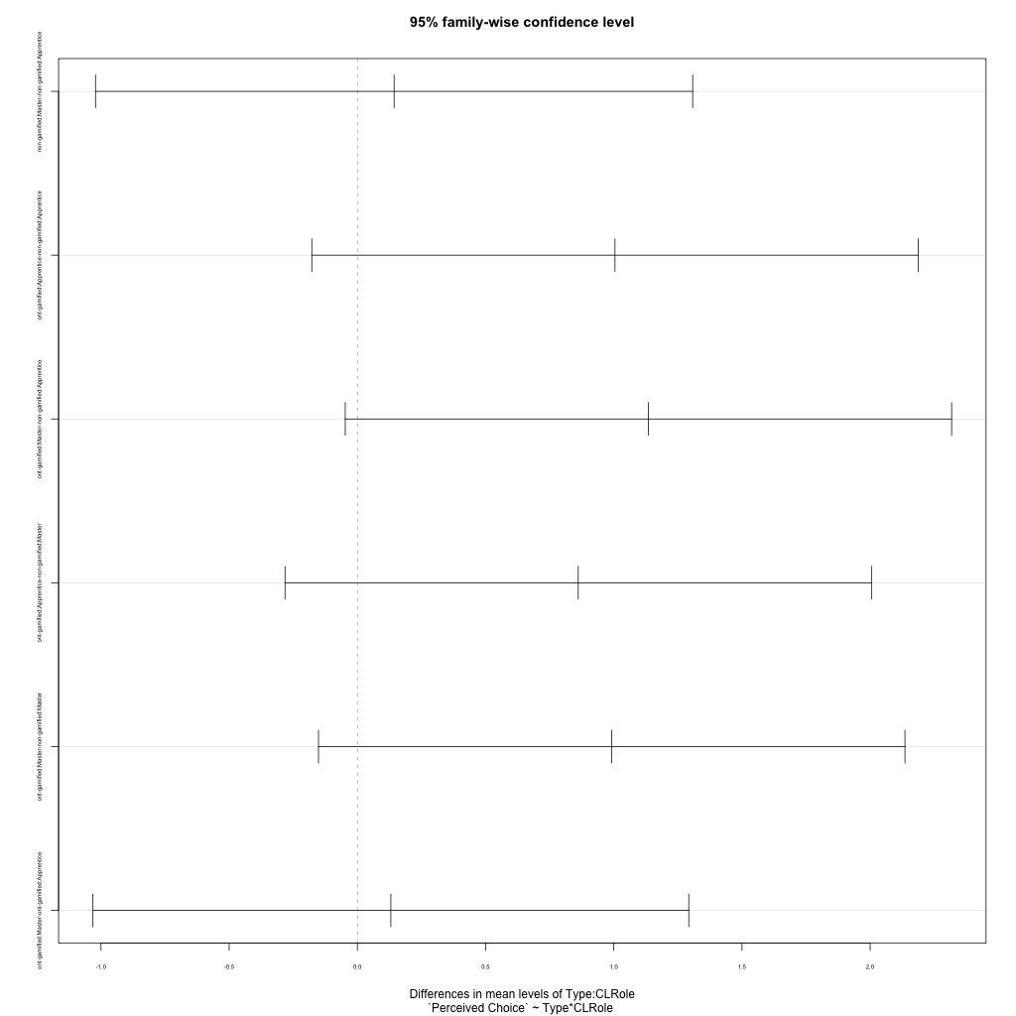
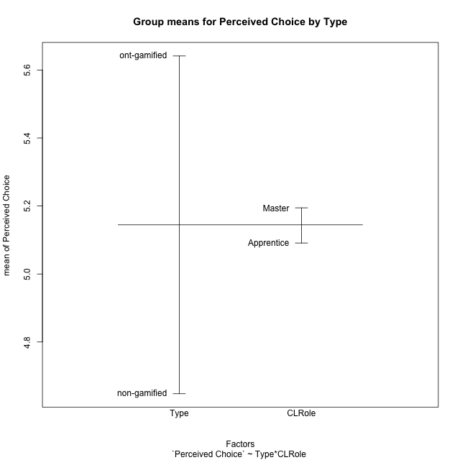
Post-hoc Tukey Honestly Significant Difference (HSD) Test for Perceived Choice by Type

Comparisons of means for Type
 | diff | lwr | upr | p adj
ont-gamified-non-gamified | 0.99356533333 | 0.37198295373 | 1.6151477129 | 0.0022507196194

Comparisons of means for CLRole
 | diff | lwr | upr | p adj
Master-Apprentice | 0.13673147942 | -0.48519651176 | 0.7586594706 | 0.66133234738

Comparisons of means for Type:CLRole
 | diff | lwr | upr | p adj
non-gamified:Master-non-gamified:Apprentice | 0.14324642857 | -1.0212745222 | 1.3077673793 | 0.98793699907
ont-gamified:Apprentice-non-gamified:Apprentice | 1.0046887619 | -0.17780821647 | 2.1871857403 | 0.12256603464
ont-gamified:Master-non-gamified:Apprentice | 1.1352380952 | -0.047258883139 | 2.3177350736 | 0.064272702959
ont-gamified:Apprentice-non-gamified:Master | 0.86144233333 | -0.28218865358 | 2.0050733202 | 0.20231211599
ont-gamified:Master-non-gamified:Master | 0.99199166667 | -0.15163932024 | 2.1356226536 | 0.11102047682
ont-gamified:Master-ont-gamified:Apprentice | 0.13054933333 | -1.0313809113 | 1.292479578 | 0.99074414374

Contrast Matrices for Perceived Choice by Type - Type
contrast | estimate | SE | df | t.ratio | p.value
non-gamified - ont-gamified | -0.99834021429 | 0.31063452202 | 56 | -3.2138740015 | 0.0021741737934

Contrast Matrices for Perceived Choice by Type - Type:CLRole
contrast | CLRole | estimate | SE | df | t.ratio | p.value
non-gamified - ont-gamified | Apprentice | -1.0046887619 | 0.44658130299 | 56 | -2.2497331509 | 0.028414651031
non-gamified - ont-gamified | Master | -0.99199166667 | 0.43190318928 | 56 | -2.2967917147 | 0.025392878337

Least Squares Means and Confidence Intervals for Type
Type | lsmean | SE | df | lower.CL | upper.CL | Pairs
non-gamified | 4.6430517857 | 0.21989624204 | 56 | 4.2025466797 | 5.0835568917 | non-gamified
ont-gamified | 5.641392 | 0.21940703956 | 56 | 5.2018668844 | 6.0809171156 | ont-gamified

Least Squares Means and Confidence Intervals for Type:CLRole
Type | CLRole | lsmean | SE | df | lower.CL | upper.CL | Pairs
non-gamified | Apprentice | 4.5714285714 | 0.32117901887 | 56 | 3.9280296828 | 5.2148274601 | non-gamified.Apprentice
ont-gamified | Apprentice | 5.5761173333 | 0.31028841103 | 56 | 4.9545349538 | 6.1976997129 | ont-gamified.Apprentice
non-gamified | Master | 4.714675 | 0.30043546211 | 56 | 4.1128304489 | 5.3165195511 | non-gamified.Master
ont-gamified | Master | 5.7066666667 | 0.31028841103 | 56 | 5.0850842871 | 6.3282490462 | ont-gamified.Master

Plots

Type_1
Student's t-Test for Perceived Choice by Type in Type between non-gamified:ont-gamified

Student's t-Test results
Alternative hypothesis: less
Group | N | Mean | Mean.Difference | Std.deviation | Std.error | CI.lower | CI.upper | df | t.value | p.value | g | magnitude
non-gamified | 30 | 4.6478266667 | -0.99356533333 | 1.3693626675 | 0.25001027413 | 4.1478061184 | 5.1478472149 | 51.985733947 | -3.2531012826 | 0.0010042642611 | -0.829038735 | large
ont-gamified | 30 | 5.641392 | 0.99356533333 | 0.96088753906 | 0.17543326012 | 5.2905254798 | 5.9922585202 | 51.985733947 | -3.2531012826 | 0.0010042642611 | -0.829038735 | large
Alternative hypothesis: greater
Group | N | Mean | Mean.Difference | Std.deviation | Std.error | CI.lower | CI.upper | df | t.value | p.value | g | magnitude
non-gamified | 30 | 4.6478266667 | -0.99356533333 | 1.3693626675 | 0.25001027413 | 4.1478061184 | 5.1478472149 | 51.985733947 | -3.2531012826 | 0.99899573574 | -0.829038735 | large
ont-gamified | 30 | 5.641392 | 0.99356533333 | 0.96088753906 | 0.17543326012 | 5.2905254798 | 5.9922585202 | 51.985733947 | -3.2531012826 | 0.99899573574 | -0.829038735 | large
Alternative hypothesis: two.sided
Group | N | Mean | Mean.Difference | Std.deviation | Std.error | CI.lower | CI.upper | df | t.value | p.value | g | magnitude
non-gamified | 30 | 4.6478266667 | -0.99356533333 | 1.3693626675 | 0.25001027413 | 4.1478061184 | 5.1478472149 | 51.985733947 | -3.2531012826 | 0.0020085285222 | -0.829038735 | large
ont-gamified | 30 | 5.641392 | 0.99356533333 | 0.96088753906 | 0.17543326012 | 5.2905254798 | 5.9922585202 | 51.985733947 | -3.2531012826 | 0.0020085285222 | -0.829038735 | large

Box plots for Student's t-Test
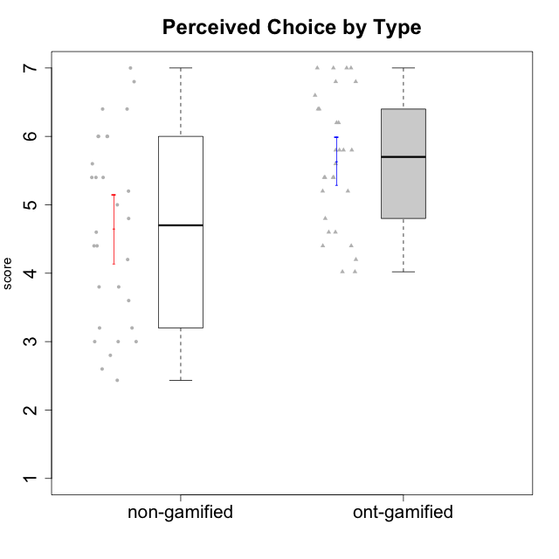

Student's t-Test data
UserID | NroUSP | Type | CLGroup | CLRole | PlayerRole | Interest/Enjoyment | Perceived Choice | Pressure/Tension | Effort/Importance | Intrinsic Motivation
10169 | 10377538 | ont-gamified | Grupo Hefesto | Master | Yee Achiever | 5.6666666667 | 4.8 | 1.9913 | 6 | 5.6166666667
10170 | 10260351 | ont-gamified | Grupo Afrodite | Apprentice | Yee Achiever | 5.1666666667 | 6.4 | 1 | 6 | 6.1416666667
10171 | 698531 | non-gamified | Grupo Team 6 | Apprentice |  | 5.6666666667 | 6 | 1.25 | 5.6666666667 | 6.0208333333
10172 | 10273971 | non-gamified | Grupo Team 1 | Master |  | 5.1666666667 | 5.4 | 1 | 4 | 5.3916666667
10174 | 10276852 | ont-gamified | Grupo Urano | Master | Yee Achiever | 4.8333333333 | 4.4 | 1.25 | 6.6666666667 | 5.6625
10175 | 10310700 | ont-gamified | Grupo Hélio | Master | Yee Socializer | 5.6666666667 | 7 | 1 | 5 | 6.1666666667
10176 | 10276949 | ont-gamified | Grupo Cronus | Apprentice | Yee Achiever | 4.1666666667 | 5.8 | 1.9913 | 4.6666666667 | 4.9708333333
10178 | 8656201 | ont-gamified | Grupo Morfeu | Apprentice | Yee Socializer | 5 | 5.8 | 1.9913 | 6 | 5.6375
10179 | 10310759 | non-gamified | Grupo Team 9 | Master |  | 3.8333333333 | 3.2 | 2 | 6.6434666667 | 4.925
10181 | 10276866 | non-gamified | Grupo Team 10 | Master |  | 4.3333333333 | 6 | 1 | 6 | 5.8333333333
10183 | 10352030 | ont-gamified | Grupo Hélio | Apprentice | Yee Socializer | 4 | 5.4 | 1.9913 | 5.6666666667 | 5.0791666667
10184 | 10276675 | ont-gamified | Grupo Apolo | Master | Yee Socializer | 4.5 | 5.6 | 1.9913 | 6.6666666667 | 5.6291666667
10185 | 10276960 | non-gamified | Grupo Team 12 | Apprentice |  | 4 | 4.4 | 2.25 | 5 | 4.7875
10186 | 10310551 | ont-gamified | Grupo Ares | Apprentice | Yee Achiever | 4.6666666667 | 6.2 | 1.9913 | 7 | 5.7166666667
10187 | 9790781 | non-gamified | Grupo Team 15 | Apprentice |  | 6.7181 | 6 | 2.48695 | 6.6666666667 | 6.0416666667
10188 | 10276995 | non-gamified | Grupo Team 3 | Master |  | 3.8333333333 | 5 | 1.5 | 4.6666666667 | 5
10189 | 9363926 | ont-gamified | Grupo Hades | Master | Yee Socializer | 4 | 5.2 | 1.9913 | 6.3333333333 | 5.0083333333
10190 | 10276907 | ont-gamified | Grupo Zeus | Apprentice | Yee Socializer | 4.5 | 5.8 | 1.75 | 4.0232 | 5.1375
10191 | 10276981 | non-gamified | Grupo Team 6 | Master |  | 5.6666666667 | 5.2 | 1.25 | 4.3333333333 | 5.4875
10192 | 10276682 | non-gamified | Grupo Team 5 | Apprentice |  | 6.1666666667 | 4.4 | 1 | 4.3333333333 | 5.475
10193 | 10276762 | ont-gamified | Grupo Afrodite | Master | Yee Achiever | 4.8333333333 | 4.4 | 1.25 | 4.6666666667 | 5.1625
10195 | 10351971 | ont-gamified | Grupo Urano | Apprentice | Yee Achiever | 5.3333333333 | 4.6 | 1 | 6 | 5.7333333333
10196 | 10310655 | ont-gamified | Grupo Hefesto | Apprentice | Yee Achiever | 4 | 4.2 | 1 | 6.3333333333 | 5.3833333333
10197 | 10276661 | ont-gamified | Grupo Gaia | Apprentice | Yee Achiever | 4.8333333333 | 6.8 | 1 | 5 | 5.9083333333
10198 | 10310888 | ont-gamified | Grupo Apolo | Apprentice | Yee Socializer | 6.6434666667 | 7 | 1 | 7 | 6.8989766667
10199 | 10276737 | ont-gamified | Grupo Gaia | Master | Yee Achiever | 4 | 7 | 1.9913 | 4.6666666667 | 5.2291666667
10200 | 9795272 | ont-gamified | Grupo Hades | Apprentice | Yee Socializer | 6.3333333333 | 5.4 | 1 | 5 | 5.9333333333
10201 | 10276928 | ont-gamified | Grupo Caronte | Master | Yee Achiever | 6.3333333333 | 5.8 | 1.9913 | 7 | 6.2833333333
10202 | 10277036 | non-gamified | Grupo Team 11 | Apprentice |  | 4 | 3.2 | 2.48695 | 7 | 4.175
10203 | 9921470 | non-gamified | Grupo Team 3 | Apprentice |  | 4 | 7 | 1.25 | 4.6666666667 | 5.6041666667
10204 | 10310471 | ont-gamified | Grupo Hermes | Master | Yee Achiever | 6.8333333333 | 6.2 | 1 | 6 | 6.5083333333
10206 | 10310721 | ont-gamified | Grupo Hera | Master | Yee Achiever | 4.5 | 6.6 | 1.9913 | 5.6666666667 | 5.3166666667
10208 | 10276932 | non-gamified | Grupo Team 7 | Apprentice |  | 6.3333333333 | 5.6 | 1.75 | 7 | 6.2958333333
10209 | 10262669 | ont-gamified | Grupo Artemis | Apprentice | Yee Achiever | 3.1666666667 | 4.02088 | 1 | 7 | 4.6416666667
10210 | 10277015 | non-gamified | Grupo Team 9 | Apprentice |  | 3.5 | 2.8 | 2.48695 | 6.6666666667 | 4.1791666667
10211 | 9311643 | non-gamified | Grupo Team 2 | Master |  | 6.1666666667 | 3 | 2 | 2.7014666667 | 4.4583333333
10212 | 9065750 | non-gamified | Grupo Team 4 | Master |  | 6.3333333333 | 6 | 2.48695 | 6 | 5.9583333333
10213 | 10277040 | ont-gamified | Grupo Morfeu | Master | Yee Socializer | 5.5 | 4.6 | 1 | 4.0232 | 5.1083333333
10214 | 10277022 | non-gamified | Grupo Team 5 | Master |  | 3 | 3.8 | 2 | 4 | 4.2
10215 | 9285227 | ont-gamified | Grupo Zeus | Master | Yee Socializer | 5 | 7 | 1 | 6 | 6.25
10216 | 10276720 | non-gamified | Grupo Team 15 | Master |  | 4.8333333333 | 6.4 | 1.25 | 6.3333333333 | 6.0791666667
10217 | 9805341 | non-gamified | Grupo Team 13 | Master |  | 3.8333333333 | 6.8 | 1 | 5.6666666667 | 5.825
10218 | 9842913 | ont-gamified | Grupo Ares | Master | Yee Achiever | 3.3333333333 | 5.4 | 1.9913 | 6.3333333333 | 4.8916666667
10219 | 10276831 | non-gamified | Grupo Team 12 | Master |  | 3.6666666667 | 4.6 | 1 | 4 | 4.8166666667
10220 | 9760151 | non-gamified | Grupo Team 2 | Apprentice |  | 5.5 | 6.4 | 1 | 6 | 6.225
10221 | 9082496 | ont-gamified | Grupo Hermes | Apprentice | Yee Achiever | 4.5 | 5.4 | 1 | 6.3333333333 | 5.8083333333
10222 | 9436110 | non-gamified | Grupo Team 16 | Master |  | 2.1123333333 | 2.4348 | 2.48695 | 4.6666666667 | 3.8843566667
10223 | 9795185 | ont-gamified | Grupo Cronus | Master | Yee Achiever | 6.3333333333 | 6.4 | 1.25 | 5.3333333333 | 6.2041666667
10224 | 9368772 | non-gamified | Grupo Team 10 | Apprentice |  | 6.5 | 2.6 | 1.5 | 4.6666666667 | 5.0666666667
10226 | 10310342 | non-gamified | Grupo Team 8 | Master |  | 3.8333333333 | 3 | 1.5 | 6.6434666667 | 5
10227 | 9274382 | non-gamified | Grupo Team 4 | Apprentice |  | 2.8333333333 | 4.2 | 2.48695 | 4 | 3.8843566667
10228 | 10310492 | non-gamified | Grupo Team 14 | Apprentice |  | 4 | 4.8 | 2.25 | 6 | 5.1375
10230 | 10351992 | non-gamified | Grupo Team 14 | Master |  | 2.6666666667 | 5.4 | 2.48695 | 5 | 4.4541666667
10231 | 10276911 | ont-gamified | Grupo Caronte | Apprentice | Yee Achiever | 6.6434666667 | 6.8 | 1 | 6.3333333333 | 6.7833333333
10232 | 10276974 | ont-gamified | Grupo Artemis | Master | Yee Achiever | 5.5 | 5.2 | 1.9913 | 6 | 5.425
10233 | 9805320 | non-gamified | Grupo Team 16 | Apprentice |  | 2.3333333333 | 3.6 | 1.25 | 5 | 4.4208333333
10234 | 10310676 | non-gamified | Grupo Team 7 | Master |  | 3.3333333333 | 3.8 | 1.25 | 4 | 4.4708333333
10237 | 10377688 | non-gamified | Grupo Team 11 | Master |  | 4.8333333333 | 5.4 | 1 | 4.3333333333 | 5.3916666667
10238 | 10276953 | non-gamified | Grupo Team 13 | Apprentice |  | 3.8333333333 | 3 | 2.48695 | 5.6666666667 | 4.0625
10240 | 10276654 | ont-gamified | Grupo Hera | Apprentice | Yee Achiever | 3.5 | 4.02088 | 1 | 4.6666666667 | 4.4564566667

Type_CLRole_1
Student's t-Test for Perceived Choice by Type in Type:CLRole between non-gamified.Apprentice:non-gamified.Master

Student's t-Test results
Alternative hypothesis: less
Group | N | Mean | Mean.Difference | Std.deviation | Std.error | CI.lower | CI.upper | df | t.value | p.value | g | magnitude
non-gamified.Apprentice | 14 | 4.5714285714 | -0.14324642857 | 1.439780203 | 0.38479744514 | 3.8018336812 | 5.3410234617 | 26.88730903 | -0.28000145576 | 0.39080967141 | -0.10015180531 | negligible
non-gamified.Master | 16 | 4.714675 | 0.14324642857 | 1.3485222863 | 0.33713057158 | 4.0404138568 | 5.3889361432 | 26.88730903 | -0.28000145576 | 0.39080967141 | -0.10015180531 | negligible
Alternative hypothesis: greater
Group | N | Mean | Mean.Difference | Std.deviation | Std.error | CI.lower | CI.upper | df | t.value | p.value | g | magnitude
non-gamified.Apprentice | 14 | 4.5714285714 | -0.14324642857 | 1.439780203 | 0.38479744514 | 3.8018336812 | 5.3410234617 | 26.88730903 | -0.28000145576 | 0.60919032859 | -0.10015180531 | negligible
non-gamified.Master | 16 | 4.714675 | 0.14324642857 | 1.3485222863 | 0.33713057158 | 4.0404138568 | 5.3889361432 | 26.88730903 | -0.28000145576 | 0.60919032859 | -0.10015180531 | negligible
Alternative hypothesis: two.sided
Group | N | Mean | Mean.Difference | Std.deviation | Std.error | CI.lower | CI.upper | df | t.value | p.value | g | magnitude
non-gamified.Apprentice | 14 | 4.5714285714 | -0.14324642857 | 1.439780203 | 0.38479744514 | 3.8018336812 | 5.3410234617 | 26.88730903 | -0.28000145576 | 0.78161934282 | -0.10015180531 | negligible
non-gamified.Master | 16 | 4.714675 | 0.14324642857 | 1.3485222863 | 0.33713057158 | 4.0404138568 | 5.3889361432 | 26.88730903 | -0.28000145576 | 0.78161934282 | -0.10015180531 | negligible

Box plots for Student's t-Test
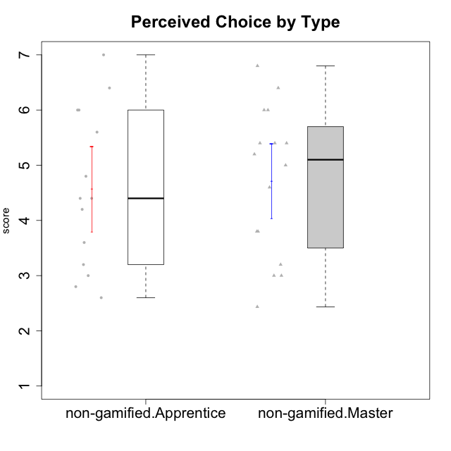

Student's t-Test data
UserID | NroUSP | Type | CLGroup | CLRole | PlayerRole | Interest/Enjoyment | Perceived Choice | Pressure/Tension | Effort/Importance | Intrinsic Motivation
10171 | 698531 | non-gamified | Grupo Team 6 | Apprentice |  | 5.6666666667 | 6 | 1.25 | 5.6666666667 | 6.0208333333
10172 | 10273971 | non-gamified | Grupo Team 1 | Master |  | 5.1666666667 | 5.4 | 1 | 4 | 5.3916666667
10179 | 10310759 | non-gamified | Grupo Team 9 | Master |  | 3.8333333333 | 3.2 | 2 | 6.6434666667 | 4.925
10181 | 10276866 | non-gamified | Grupo Team 10 | Master |  | 4.3333333333 | 6 | 1 | 6 | 5.8333333333
10185 | 10276960 | non-gamified | Grupo Team 12 | Apprentice |  | 4 | 4.4 | 2.25 | 5 | 4.7875
10187 | 9790781 | non-gamified | Grupo Team 15 | Apprentice |  | 6.7181 | 6 | 2.48695 | 6.6666666667 | 6.0416666667
10188 | 10276995 | non-gamified | Grupo Team 3 | Master |  | 3.8333333333 | 5 | 1.5 | 4.6666666667 | 5
10191 | 10276981 | non-gamified | Grupo Team 6 | Master |  | 5.6666666667 | 5.2 | 1.25 | 4.3333333333 | 5.4875
10192 | 10276682 | non-gamified | Grupo Team 5 | Apprentice |  | 6.1666666667 | 4.4 | 1 | 4.3333333333 | 5.475
10202 | 10277036 | non-gamified | Grupo Team 11 | Apprentice |  | 4 | 3.2 | 2.48695 | 7 | 4.175
10203 | 9921470 | non-gamified | Grupo Team 3 | Apprentice |  | 4 | 7 | 1.25 | 4.6666666667 | 5.6041666667
10208 | 10276932 | non-gamified | Grupo Team 7 | Apprentice |  | 6.3333333333 | 5.6 | 1.75 | 7 | 6.2958333333
10210 | 10277015 | non-gamified | Grupo Team 9 | Apprentice |  | 3.5 | 2.8 | 2.48695 | 6.6666666667 | 4.1791666667
10211 | 9311643 | non-gamified | Grupo Team 2 | Master |  | 6.1666666667 | 3 | 2 | 2.7014666667 | 4.4583333333
10212 | 9065750 | non-gamified | Grupo Team 4 | Master |  | 6.3333333333 | 6 | 2.48695 | 6 | 5.9583333333
10214 | 10277022 | non-gamified | Grupo Team 5 | Master |  | 3 | 3.8 | 2 | 4 | 4.2
10216 | 10276720 | non-gamified | Grupo Team 15 | Master |  | 4.8333333333 | 6.4 | 1.25 | 6.3333333333 | 6.0791666667
10217 | 9805341 | non-gamified | Grupo Team 13 | Master |  | 3.8333333333 | 6.8 | 1 | 5.6666666667 | 5.825
10219 | 10276831 | non-gamified | Grupo Team 12 | Master |  | 3.6666666667 | 4.6 | 1 | 4 | 4.8166666667
10220 | 9760151 | non-gamified | Grupo Team 2 | Apprentice |  | 5.5 | 6.4 | 1 | 6 | 6.225
10222 | 9436110 | non-gamified | Grupo Team 16 | Master |  | 2.1123333333 | 2.4348 | 2.48695 | 4.6666666667 | 3.8843566667
10224 | 9368772 | non-gamified | Grupo Team 10 | Apprentice |  | 6.5 | 2.6 | 1.5 | 4.6666666667 | 5.0666666667
10226 | 10310342 | non-gamified | Grupo Team 8 | Master |  | 3.8333333333 | 3 | 1.5 | 6.6434666667 | 5
10227 | 9274382 | non-gamified | Grupo Team 4 | Apprentice |  | 2.8333333333 | 4.2 | 2.48695 | 4 | 3.8843566667
10228 | 10310492 | non-gamified | Grupo Team 14 | Apprentice |  | 4 | 4.8 | 2.25 | 6 | 5.1375
10230 | 10351992 | non-gamified | Grupo Team 14 | Master |  | 2.6666666667 | 5.4 | 2.48695 | 5 | 4.4541666667
10233 | 9805320 | non-gamified | Grupo Team 16 | Apprentice |  | 2.3333333333 | 3.6 | 1.25 | 5 | 4.4208333333
10234 | 10310676 | non-gamified | Grupo Team 7 | Master |  | 3.3333333333 | 3.8 | 1.25 | 4 | 4.4708333333
10237 | 10377688 | non-gamified | Grupo Team 11 | Master |  | 4.8333333333 | 5.4 | 1 | 4.3333333333 | 5.3916666667
10238 | 10276953 | non-gamified | Grupo Team 13 | Apprentice |  | 3.8333333333 | 3 | 2.48695 | 5.6666666667 | 4.0625

Type_CLRole_2
Student's t-Test for Perceived Choice by Type in Type:CLRole between non-gamified.Apprentice:ont-gamified.Apprentice

Student's t-Test results
Alternative hypothesis: less
Group | N | Mean | Mean.Difference | Std.deviation | Std.error | CI.lower | CI.upper | df | t.value | p.value | g | magnitude
non-gamified.Apprentice | 14 | 4.5714285714 | -1.0046887619 | 1.439780203 | 0.38479744514 | 3.8018336812 | 5.3410234617 | 23.019530658 | -2.167651319 | 0.020386581237 | -0.7927651533 | medium
ont-gamified.Apprentice | 15 | 5.5761173333 | 1.0046887619 | 1.0006670712 | 0.25837112678 | 5.0593750798 | 6.0928595869 | 23.019530658 | -2.167651319 | 0.020386581237 | -0.7927651533 | medium
Alternative hypothesis: greater
Group | N | Mean | Mean.Difference | Std.deviation | Std.error | CI.lower | CI.upper | df | t.value | p.value | g | magnitude
non-gamified.Apprentice | 14 | 4.5714285714 | -1.0046887619 | 1.439780203 | 0.38479744514 | 3.8018336812 | 5.3410234617 | 23.019530658 | -2.167651319 | 0.97961341876 | -0.7927651533 | medium
ont-gamified.Apprentice | 15 | 5.5761173333 | 1.0046887619 | 1.0006670712 | 0.25837112678 | 5.0593750798 | 6.0928595869 | 23.019530658 | -2.167651319 | 0.97961341876 | -0.7927651533 | medium
Alternative hypothesis: two.sided
Group | N | Mean | Mean.Difference | Std.deviation | Std.error | CI.lower | CI.upper | df | t.value | p.value | g | magnitude
non-gamified.Apprentice | 14 | 4.5714285714 | -1.0046887619 | 1.439780203 | 0.38479744514 | 3.8018336812 | 5.3410234617 | 23.019530658 | -2.167651319 | 0.040773162474 | -0.7927651533 | medium
ont-gamified.Apprentice | 15 | 5.5761173333 | 1.0046887619 | 1.0006670712 | 0.25837112678 | 5.0593750798 | 6.0928595869 | 23.019530658 | -2.167651319 | 0.040773162474 | -0.7927651533 | medium

Box plots for Student's t-Test
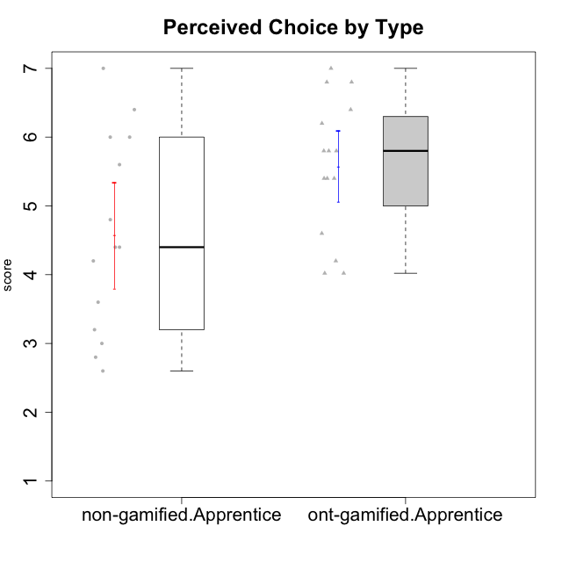

Student's t-Test data
UserID | NroUSP | Type | CLGroup | CLRole | PlayerRole | Interest/Enjoyment | Perceived Choice | Pressure/Tension | Effort/Importance | Intrinsic Motivation
10170 | 10260351 | ont-gamified | Grupo Afrodite | Apprentice | Yee Achiever | 5.1666666667 | 6.4 | 1 | 6 | 6.1416666667
10171 | 698531 | non-gamified | Grupo Team 6 | Apprentice |  | 5.6666666667 | 6 | 1.25 | 5.6666666667 | 6.0208333333
10176 | 10276949 | ont-gamified | Grupo Cronus | Apprentice | Yee Achiever | 4.1666666667 | 5.8 | 1.9913 | 4.6666666667 | 4.9708333333
10178 | 8656201 | ont-gamified | Grupo Morfeu | Apprentice | Yee Socializer | 5 | 5.8 | 1.9913 | 6 | 5.6375
10183 | 10352030 | ont-gamified | Grupo Hélio | Apprentice | Yee Socializer | 4 | 5.4 | 1.9913 | 5.6666666667 | 5.0791666667
10185 | 10276960 | non-gamified | Grupo Team 12 | Apprentice |  | 4 | 4.4 | 2.25 | 5 | 4.7875
10186 | 10310551 | ont-gamified | Grupo Ares | Apprentice | Yee Achiever | 4.6666666667 | 6.2 | 1.9913 | 7 | 5.7166666667
10187 | 9790781 | non-gamified | Grupo Team 15 | Apprentice |  | 6.7181 | 6 | 2.48695 | 6.6666666667 | 6.0416666667
10190 | 10276907 | ont-gamified | Grupo Zeus | Apprentice | Yee Socializer | 4.5 | 5.8 | 1.75 | 4.0232 | 5.1375
10192 | 10276682 | non-gamified | Grupo Team 5 | Apprentice |  | 6.1666666667 | 4.4 | 1 | 4.3333333333 | 5.475
10195 | 10351971 | ont-gamified | Grupo Urano | Apprentice | Yee Achiever | 5.3333333333 | 4.6 | 1 | 6 | 5.7333333333
10196 | 10310655 | ont-gamified | Grupo Hefesto | Apprentice | Yee Achiever | 4 | 4.2 | 1 | 6.3333333333 | 5.3833333333
10197 | 10276661 | ont-gamified | Grupo Gaia | Apprentice | Yee Achiever | 4.8333333333 | 6.8 | 1 | 5 | 5.9083333333
10198 | 10310888 | ont-gamified | Grupo Apolo | Apprentice | Yee Socializer | 6.6434666667 | 7 | 1 | 7 | 6.8989766667
10200 | 9795272 | ont-gamified | Grupo Hades | Apprentice | Yee Socializer | 6.3333333333 | 5.4 | 1 | 5 | 5.9333333333
10202 | 10277036 | non-gamified | Grupo Team 11 | Apprentice |  | 4 | 3.2 | 2.48695 | 7 | 4.175
10203 | 9921470 | non-gamified | Grupo Team 3 | Apprentice |  | 4 | 7 | 1.25 | 4.6666666667 | 5.6041666667
10208 | 10276932 | non-gamified | Grupo Team 7 | Apprentice |  | 6.3333333333 | 5.6 | 1.75 | 7 | 6.2958333333
10209 | 10262669 | ont-gamified | Grupo Artemis | Apprentice | Yee Achiever | 3.1666666667 | 4.02088 | 1 | 7 | 4.6416666667
10210 | 10277015 | non-gamified | Grupo Team 9 | Apprentice |  | 3.5 | 2.8 | 2.48695 | 6.6666666667 | 4.1791666667
10220 | 9760151 | non-gamified | Grupo Team 2 | Apprentice |  | 5.5 | 6.4 | 1 | 6 | 6.225
10221 | 9082496 | ont-gamified | Grupo Hermes | Apprentice | Yee Achiever | 4.5 | 5.4 | 1 | 6.3333333333 | 5.8083333333
10224 | 9368772 | non-gamified | Grupo Team 10 | Apprentice |  | 6.5 | 2.6 | 1.5 | 4.6666666667 | 5.0666666667
10227 | 9274382 | non-gamified | Grupo Team 4 | Apprentice |  | 2.8333333333 | 4.2 | 2.48695 | 4 | 3.8843566667
10228 | 10310492 | non-gamified | Grupo Team 14 | Apprentice |  | 4 | 4.8 | 2.25 | 6 | 5.1375
10231 | 10276911 | ont-gamified | Grupo Caronte | Apprentice | Yee Achiever | 6.6434666667 | 6.8 | 1 | 6.3333333333 | 6.7833333333
10233 | 9805320 | non-gamified | Grupo Team 16 | Apprentice |  | 2.3333333333 | 3.6 | 1.25 | 5 | 4.4208333333
10238 | 10276953 | non-gamified | Grupo Team 13 | Apprentice |  | 3.8333333333 | 3 | 2.48695 | 5.6666666667 | 4.0625
10240 | 10276654 | ont-gamified | Grupo Hera | Apprentice | Yee Achiever | 3.5 | 4.02088 | 1 | 4.6666666667 | 4.4564566667

Type_CLRole_3
Student's t-Test for Perceived Choice by Type in Type:CLRole between non-gamified.Apprentice:ont-gamified.Master

Student's t-Test results
Alternative hypothesis: less
Group | N | Mean | Mean.Difference | Std.deviation | Std.error | CI.lower | CI.upper | df | t.value | p.value | g | magnitude
non-gamified.Apprentice | 14 | 4.5714285714 | -1.1352380952 | 1.439780203 | 0.38479744514 | 3.8018336812 | 5.3410234617 | 22.290233025 | -2.487926015 | 0.010398759739 | -0.91136427502 | large
ont-gamified.Master | 15 | 5.7066666667 | 1.1352380952 | 0.94978694353 | 0.24523393432 | 5.216198798 | 6.1971345353 | 22.290233025 | -2.487926015 | 0.010398759739 | -0.91136427502 | large
Alternative hypothesis: greater
Group | N | Mean | Mean.Difference | Std.deviation | Std.error | CI.lower | CI.upper | df | t.value | p.value | g | magnitude
non-gamified.Apprentice | 14 | 4.5714285714 | -1.1352380952 | 1.439780203 | 0.38479744514 | 3.8018336812 | 5.3410234617 | 22.290233025 | -2.487926015 | 0.98960124026 | -0.91136427502 | large
ont-gamified.Master | 15 | 5.7066666667 | 1.1352380952 | 0.94978694353 | 0.24523393432 | 5.216198798 | 6.1971345353 | 22.290233025 | -2.487926015 | 0.98960124026 | -0.91136427502 | large
Alternative hypothesis: two.sided
Group | N | Mean | Mean.Difference | Std.deviation | Std.error | CI.lower | CI.upper | df | t.value | p.value | g | magnitude
non-gamified.Apprentice | 14 | 4.5714285714 | -1.1352380952 | 1.439780203 | 0.38479744514 | 3.8018336812 | 5.3410234617 | 22.290233025 | -2.487926015 | 0.020797519477 | -0.91136427502 | large
ont-gamified.Master | 15 | 5.7066666667 | 1.1352380952 | 0.94978694353 | 0.24523393432 | 5.216198798 | 6.1971345353 | 22.290233025 | -2.487926015 | 0.020797519477 | -0.91136427502 | large

Box plots for Student's t-Test
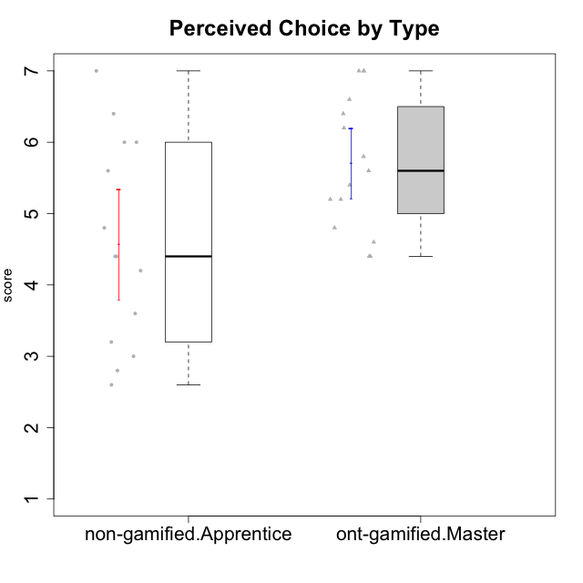

Student's t-Test data
UserID | NroUSP | Type | CLGroup | CLRole | PlayerRole | Interest/Enjoyment | Perceived Choice | Pressure/Tension | Effort/Importance | Intrinsic Motivation
10169 | 10377538 | ont-gamified | Grupo Hefesto | Master | Yee Achiever | 5.6666666667 | 4.8 | 1.9913 | 6 | 5.6166666667
10171 | 698531 | non-gamified | Grupo Team 6 | Apprentice |  | 5.6666666667 | 6 | 1.25 | 5.6666666667 | 6.0208333333
10174 | 10276852 | ont-gamified | Grupo Urano | Master | Yee Achiever | 4.8333333333 | 4.4 | 1.25 | 6.6666666667 | 5.6625
10175 | 10310700 | ont-gamified | Grupo Hélio | Master | Yee Socializer | 5.6666666667 | 7 | 1 | 5 | 6.1666666667
10184 | 10276675 | ont-gamified | Grupo Apolo | Master | Yee Socializer | 4.5 | 5.6 | 1.9913 | 6.6666666667 | 5.6291666667
10185 | 10276960 | non-gamified | Grupo Team 12 | Apprentice |  | 4 | 4.4 | 2.25 | 5 | 4.7875
10187 | 9790781 | non-gamified | Grupo Team 15 | Apprentice |  | 6.7181 | 6 | 2.48695 | 6.6666666667 | 6.0416666667
10189 | 9363926 | ont-gamified | Grupo Hades | Master | Yee Socializer | 4 | 5.2 | 1.9913 | 6.3333333333 | 5.0083333333
10192 | 10276682 | non-gamified | Grupo Team 5 | Apprentice |  | 6.1666666667 | 4.4 | 1 | 4.3333333333 | 5.475
10193 | 10276762 | ont-gamified | Grupo Afrodite | Master | Yee Achiever | 4.8333333333 | 4.4 | 1.25 | 4.6666666667 | 5.1625
10199 | 10276737 | ont-gamified | Grupo Gaia | Master | Yee Achiever | 4 | 7 | 1.9913 | 4.6666666667 | 5.2291666667
10201 | 10276928 | ont-gamified | Grupo Caronte | Master | Yee Achiever | 6.3333333333 | 5.8 | 1.9913 | 7 | 6.2833333333
10202 | 10277036 | non-gamified | Grupo Team 11 | Apprentice |  | 4 | 3.2 | 2.48695 | 7 | 4.175
10203 | 9921470 | non-gamified | Grupo Team 3 | Apprentice |  | 4 | 7 | 1.25 | 4.6666666667 | 5.6041666667
10204 | 10310471 | ont-gamified | Grupo Hermes | Master | Yee Achiever | 6.8333333333 | 6.2 | 1 | 6 | 6.5083333333
10206 | 10310721 | ont-gamified | Grupo Hera | Master | Yee Achiever | 4.5 | 6.6 | 1.9913 | 5.6666666667 | 5.3166666667
10208 | 10276932 | non-gamified | Grupo Team 7 | Apprentice |  | 6.3333333333 | 5.6 | 1.75 | 7 | 6.2958333333
10210 | 10277015 | non-gamified | Grupo Team 9 | Apprentice |  | 3.5 | 2.8 | 2.48695 | 6.6666666667 | 4.1791666667
10213 | 10277040 | ont-gamified | Grupo Morfeu | Master | Yee Socializer | 5.5 | 4.6 | 1 | 4.0232 | 5.1083333333
10215 | 9285227 | ont-gamified | Grupo Zeus | Master | Yee Socializer | 5 | 7 | 1 | 6 | 6.25
10218 | 9842913 | ont-gamified | Grupo Ares | Master | Yee Achiever | 3.3333333333 | 5.4 | 1.9913 | 6.3333333333 | 4.8916666667
10220 | 9760151 | non-gamified | Grupo Team 2 | Apprentice |  | 5.5 | 6.4 | 1 | 6 | 6.225
10223 | 9795185 | ont-gamified | Grupo Cronus | Master | Yee Achiever | 6.3333333333 | 6.4 | 1.25 | 5.3333333333 | 6.2041666667
10224 | 9368772 | non-gamified | Grupo Team 10 | Apprentice |  | 6.5 | 2.6 | 1.5 | 4.6666666667 | 5.0666666667
10227 | 9274382 | non-gamified | Grupo Team 4 | Apprentice |  | 2.8333333333 | 4.2 | 2.48695 | 4 | 3.8843566667
10228 | 10310492 | non-gamified | Grupo Team 14 | Apprentice |  | 4 | 4.8 | 2.25 | 6 | 5.1375
10232 | 10276974 | ont-gamified | Grupo Artemis | Master | Yee Achiever | 5.5 | 5.2 | 1.9913 | 6 | 5.425
10233 | 9805320 | non-gamified | Grupo Team 16 | Apprentice |  | 2.3333333333 | 3.6 | 1.25 | 5 | 4.4208333333
10238 | 10276953 | non-gamified | Grupo Team 13 | Apprentice |  | 3.8333333333 | 3 | 2.48695 | 5.6666666667 | 4.0625

Type_CLRole_4
Student's t-Test for Perceived Choice by Type in Type:CLRole between non-gamified.Master:ont-gamified.Apprentice

Student's t-Test results
Alternative hypothesis: less
Group | N | Mean | Mean.Difference | Std.deviation | Std.error | CI.lower | CI.upper | df | t.value | p.value | g | magnitude
non-gamified.Master | 16 | 4.714675 | -0.86144233333 | 1.3485222863 | 0.33713057158 | 4.0404138568 | 5.3889361432 | 27.595295094 | -2.0281155906 | 0.026150855355 | -0.70305524826 | medium
ont-gamified.Apprentice | 15 | 5.5761173333 | 0.86144233333 | 1.0006670712 | 0.25837112678 | 5.0593750798 | 6.0928595869 | 27.595295094 | -2.0281155906 | 0.026150855355 | -0.70305524826 | medium
Alternative hypothesis: greater
Group | N | Mean | Mean.Difference | Std.deviation | Std.error | CI.lower | CI.upper | df | t.value | p.value | g | magnitude
non-gamified.Master | 16 | 4.714675 | -0.86144233333 | 1.3485222863 | 0.33713057158 | 4.0404138568 | 5.3889361432 | 27.595295094 | -2.0281155906 | 0.97384914465 | -0.70305524826 | medium
ont-gamified.Apprentice | 15 | 5.5761173333 | 0.86144233333 | 1.0006670712 | 0.25837112678 | 5.0593750798 | 6.0928595869 | 27.595295094 | -2.0281155906 | 0.97384914465 | -0.70305524826 | medium
Alternative hypothesis: two.sided
Group | N | Mean | Mean.Difference | Std.deviation | Std.error | CI.lower | CI.upper | df | t.value | p.value | g | magnitude
non-gamified.Master | 16 | 4.714675 | -0.86144233333 | 1.3485222863 | 0.33713057158 | 4.0404138568 | 5.3889361432 | 27.595295094 | -2.0281155906 | 0.052301710709 | -0.70305524826 | medium
ont-gamified.Apprentice | 15 | 5.5761173333 | 0.86144233333 | 1.0006670712 | 0.25837112678 | 5.0593750798 | 6.0928595869 | 27.595295094 | -2.0281155906 | 0.052301710709 | -0.70305524826 | medium

Box plots for Student's t-Test
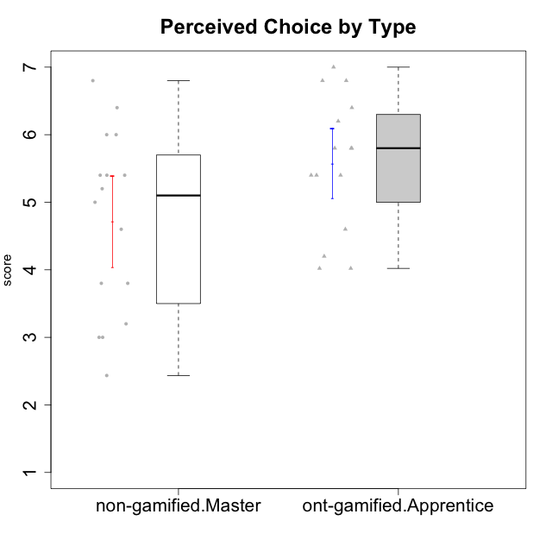

Student's t-Test data
UserID | NroUSP | Type | CLGroup | CLRole | PlayerRole | Interest/Enjoyment | Perceived Choice | Pressure/Tension | Effort/Importance | Intrinsic Motivation
10170 | 10260351 | ont-gamified | Grupo Afrodite | Apprentice | Yee Achiever | 5.1666666667 | 6.4 | 1 | 6 | 6.1416666667
10172 | 10273971 | non-gamified | Grupo Team 1 | Master |  | 5.1666666667 | 5.4 | 1 | 4 | 5.3916666667
10176 | 10276949 | ont-gamified | Grupo Cronus | Apprentice | Yee Achiever | 4.1666666667 | 5.8 | 1.9913 | 4.6666666667 | 4.9708333333
10178 | 8656201 | ont-gamified | Grupo Morfeu | Apprentice | Yee Socializer | 5 | 5.8 | 1.9913 | 6 | 5.6375
10179 | 10310759 | non-gamified | Grupo Team 9 | Master |  | 3.8333333333 | 3.2 | 2 | 6.6434666667 | 4.925
10181 | 10276866 | non-gamified | Grupo Team 10 | Master |  | 4.3333333333 | 6 | 1 | 6 | 5.8333333333
10183 | 10352030 | ont-gamified | Grupo Hélio | Apprentice | Yee Socializer | 4 | 5.4 | 1.9913 | 5.6666666667 | 5.0791666667
10186 | 10310551 | ont-gamified | Grupo Ares | Apprentice | Yee Achiever | 4.6666666667 | 6.2 | 1.9913 | 7 | 5.7166666667
10188 | 10276995 | non-gamified | Grupo Team 3 | Master |  | 3.8333333333 | 5 | 1.5 | 4.6666666667 | 5
10190 | 10276907 | ont-gamified | Grupo Zeus | Apprentice | Yee Socializer | 4.5 | 5.8 | 1.75 | 4.0232 | 5.1375
10191 | 10276981 | non-gamified | Grupo Team 6 | Master |  | 5.6666666667 | 5.2 | 1.25 | 4.3333333333 | 5.4875
10195 | 10351971 | ont-gamified | Grupo Urano | Apprentice | Yee Achiever | 5.3333333333 | 4.6 | 1 | 6 | 5.7333333333
10196 | 10310655 | ont-gamified | Grupo Hefesto | Apprentice | Yee Achiever | 4 | 4.2 | 1 | 6.3333333333 | 5.3833333333
10197 | 10276661 | ont-gamified | Grupo Gaia | Apprentice | Yee Achiever | 4.8333333333 | 6.8 | 1 | 5 | 5.9083333333
10198 | 10310888 | ont-gamified | Grupo Apolo | Apprentice | Yee Socializer | 6.6434666667 | 7 | 1 | 7 | 6.8989766667
10200 | 9795272 | ont-gamified | Grupo Hades | Apprentice | Yee Socializer | 6.3333333333 | 5.4 | 1 | 5 | 5.9333333333
10209 | 10262669 | ont-gamified | Grupo Artemis | Apprentice | Yee Achiever | 3.1666666667 | 4.02088 | 1 | 7 | 4.6416666667
10211 | 9311643 | non-gamified | Grupo Team 2 | Master |  | 6.1666666667 | 3 | 2 | 2.7014666667 | 4.4583333333
10212 | 9065750 | non-gamified | Grupo Team 4 | Master |  | 6.3333333333 | 6 | 2.48695 | 6 | 5.9583333333
10214 | 10277022 | non-gamified | Grupo Team 5 | Master |  | 3 | 3.8 | 2 | 4 | 4.2
10216 | 10276720 | non-gamified | Grupo Team 15 | Master |  | 4.8333333333 | 6.4 | 1.25 | 6.3333333333 | 6.0791666667
10217 | 9805341 | non-gamified | Grupo Team 13 | Master |  | 3.8333333333 | 6.8 | 1 | 5.6666666667 | 5.825
10219 | 10276831 | non-gamified | Grupo Team 12 | Master |  | 3.6666666667 | 4.6 | 1 | 4 | 4.8166666667
10221 | 9082496 | ont-gamified | Grupo Hermes | Apprentice | Yee Achiever | 4.5 | 5.4 | 1 | 6.3333333333 | 5.8083333333
10222 | 9436110 | non-gamified | Grupo Team 16 | Master |  | 2.1123333333 | 2.4348 | 2.48695 | 4.6666666667 | 3.8843566667
10226 | 10310342 | non-gamified | Grupo Team 8 | Master |  | 3.8333333333 | 3 | 1.5 | 6.6434666667 | 5
10230 | 10351992 | non-gamified | Grupo Team 14 | Master |  | 2.6666666667 | 5.4 | 2.48695 | 5 | 4.4541666667
10231 | 10276911 | ont-gamified | Grupo Caronte | Apprentice | Yee Achiever | 6.6434666667 | 6.8 | 1 | 6.3333333333 | 6.7833333333
10234 | 10310676 | non-gamified | Grupo Team 7 | Master |  | 3.3333333333 | 3.8 | 1.25 | 4 | 4.4708333333
10237 | 10377688 | non-gamified | Grupo Team 11 | Master |  | 4.8333333333 | 5.4 | 1 | 4.3333333333 | 5.3916666667
10240 | 10276654 | ont-gamified | Grupo Hera | Apprentice | Yee Achiever | 3.5 | 4.02088 | 1 | 4.6666666667 | 4.4564566667

Type_CLRole_5
Student's t-Test for Perceived Choice by Type in Type:CLRole between non-gamified.Master:ont-gamified.Master

Student's t-Test results
Alternative hypothesis: less
Group | N | Mean | Mean.Difference | Std.deviation | Std.error | CI.lower | CI.upper | df | t.value | p.value | g | magnitude
non-gamified.Master | 16 | 4.714675 | -0.99199166667 | 1.3485222863 | 0.33713057158 | 4.0404138568 | 5.3889361432 | 26.980187882 | -2.3795084689 | 0.012334262421 | -0.82357387734 | large
ont-gamified.Master | 15 | 5.7066666667 | 0.99199166667 | 0.94978694353 | 0.24523393432 | 5.216198798 | 6.1971345353 | 26.980187882 | -2.3795084689 | 0.012334262421 | -0.82357387734 | large
Alternative hypothesis: greater
Group | N | Mean | Mean.Difference | Std.deviation | Std.error | CI.lower | CI.upper | df | t.value | p.value | g | magnitude
non-gamified.Master | 16 | 4.714675 | -0.99199166667 | 1.3485222863 | 0.33713057158 | 4.0404138568 | 5.3889361432 | 26.980187882 | -2.3795084689 | 0.98766573758 | -0.82357387734 | large
ont-gamified.Master | 15 | 5.7066666667 | 0.99199166667 | 0.94978694353 | 0.24523393432 | 5.216198798 | 6.1971345353 | 26.980187882 | -2.3795084689 | 0.98766573758 | -0.82357387734 | large
Alternative hypothesis: two.sided
Group | N | Mean | Mean.Difference | Std.deviation | Std.error | CI.lower | CI.upper | df | t.value | p.value | g | magnitude
non-gamified.Master | 16 | 4.714675 | -0.99199166667 | 1.3485222863 | 0.33713057158 | 4.0404138568 | 5.3889361432 | 26.980187882 | -2.3795084689 | 0.024668524842 | -0.82357387734 | large
ont-gamified.Master | 15 | 5.7066666667 | 0.99199166667 | 0.94978694353 | 0.24523393432 | 5.216198798 | 6.1971345353 | 26.980187882 | -2.3795084689 | 0.024668524842 | -0.82357387734 | large

Box plots for Student's t-Test
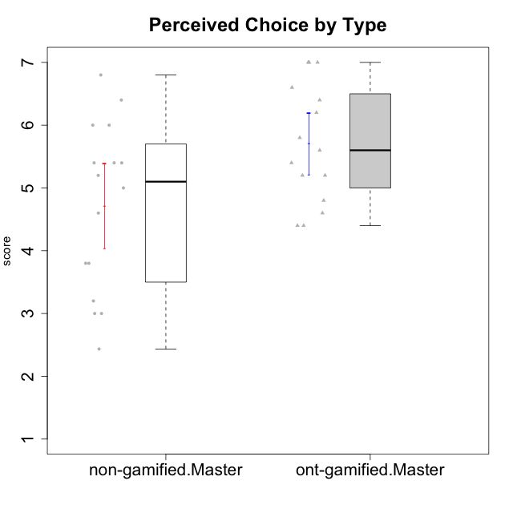

Student's t-Test data
UserID | NroUSP | Type | CLGroup | CLRole | PlayerRole | Interest/Enjoyment | Perceived Choice | Pressure/Tension | Effort/Importance | Intrinsic Motivation
10169 | 10377538 | ont-gamified | Grupo Hefesto | Master | Yee Achiever | 5.6666666667 | 4.8 | 1.9913 | 6 | 5.6166666667
10172 | 10273971 | non-gamified | Grupo Team 1 | Master |  | 5.1666666667 | 5.4 | 1 | 4 | 5.3916666667
10174 | 10276852 | ont-gamified | Grupo Urano | Master | Yee Achiever | 4.8333333333 | 4.4 | 1.25 | 6.6666666667 | 5.6625
10175 | 10310700 | ont-gamified | Grupo Hélio | Master | Yee Socializer | 5.6666666667 | 7 | 1 | 5 | 6.1666666667
10179 | 10310759 | non-gamified | Grupo Team 9 | Master |  | 3.8333333333 | 3.2 | 2 | 6.6434666667 | 4.925
10181 | 10276866 | non-gamified | Grupo Team 10 | Master |  | 4.3333333333 | 6 | 1 | 6 | 5.8333333333
10184 | 10276675 | ont-gamified | Grupo Apolo | Master | Yee Socializer | 4.5 | 5.6 | 1.9913 | 6.6666666667 | 5.6291666667
10188 | 10276995 | non-gamified | Grupo Team 3 | Master |  | 3.8333333333 | 5 | 1.5 | 4.6666666667 | 5
10189 | 9363926 | ont-gamified | Grupo Hades | Master | Yee Socializer | 4 | 5.2 | 1.9913 | 6.3333333333 | 5.0083333333
10191 | 10276981 | non-gamified | Grupo Team 6 | Master |  | 5.6666666667 | 5.2 | 1.25 | 4.3333333333 | 5.4875
10193 | 10276762 | ont-gamified | Grupo Afrodite | Master | Yee Achiever | 4.8333333333 | 4.4 | 1.25 | 4.6666666667 | 5.1625
10199 | 10276737 | ont-gamified | Grupo Gaia | Master | Yee Achiever | 4 | 7 | 1.9913 | 4.6666666667 | 5.2291666667
10201 | 10276928 | ont-gamified | Grupo Caronte | Master | Yee Achiever | 6.3333333333 | 5.8 | 1.9913 | 7 | 6.2833333333
10204 | 10310471 | ont-gamified | Grupo Hermes | Master | Yee Achiever | 6.8333333333 | 6.2 | 1 | 6 | 6.5083333333
10206 | 10310721 | ont-gamified | Grupo Hera | Master | Yee Achiever | 4.5 | 6.6 | 1.9913 | 5.6666666667 | 5.3166666667
10211 | 9311643 | non-gamified | Grupo Team 2 | Master |  | 6.1666666667 | 3 | 2 | 2.7014666667 | 4.4583333333
10212 | 9065750 | non-gamified | Grupo Team 4 | Master |  | 6.3333333333 | 6 | 2.48695 | 6 | 5.9583333333
10213 | 10277040 | ont-gamified | Grupo Morfeu | Master | Yee Socializer | 5.5 | 4.6 | 1 | 4.0232 | 5.1083333333
10214 | 10277022 | non-gamified | Grupo Team 5 | Master |  | 3 | 3.8 | 2 | 4 | 4.2
10215 | 9285227 | ont-gamified | Grupo Zeus | Master | Yee Socializer | 5 | 7 | 1 | 6 | 6.25
10216 | 10276720 | non-gamified | Grupo Team 15 | Master |  | 4.8333333333 | 6.4 | 1.25 | 6.3333333333 | 6.0791666667
10217 | 9805341 | non-gamified | Grupo Team 13 | Master |  | 3.8333333333 | 6.8 | 1 | 5.6666666667 | 5.825
10218 | 9842913 | ont-gamified | Grupo Ares | Master | Yee Achiever | 3.3333333333 | 5.4 | 1.9913 | 6.3333333333 | 4.8916666667
10219 | 10276831 | non-gamified | Grupo Team 12 | Master |  | 3.6666666667 | 4.6 | 1 | 4 | 4.8166666667
10222 | 9436110 | non-gamified | Grupo Team 16 | Master |  | 2.1123333333 | 2.4348 | 2.48695 | 4.6666666667 | 3.8843566667
10223 | 9795185 | ont-gamified | Grupo Cronus | Master | Yee Achiever | 6.3333333333 | 6.4 | 1.25 | 5.3333333333 | 6.2041666667
10226 | 10310342 | non-gamified | Grupo Team 8 | Master |  | 3.8333333333 | 3 | 1.5 | 6.6434666667 | 5
10230 | 10351992 | non-gamified | Grupo Team 14 | Master |  | 2.6666666667 | 5.4 | 2.48695 | 5 | 4.4541666667
10232 | 10276974 | ont-gamified | Grupo Artemis | Master | Yee Achiever | 5.5 | 5.2 | 1.9913 | 6 | 5.425
10234 | 10310676 | non-gamified | Grupo Team 7 | Master |  | 3.3333333333 | 3.8 | 1.25 | 4 | 4.4708333333
10237 | 10377688 | non-gamified | Grupo Team 11 | Master |  | 4.8333333333 | 5.4 | 1 | 4.3333333333 | 5.3916666667

Type_CLRole_6
Student's t-Test for Perceived Choice by Type in Type:CLRole between ont-gamified.Apprentice:ont-gamified.Master

Student's t-Test results
Alternative hypothesis: less
Group | N | Mean | Mean.Difference | Std.deviation | Std.error | CI.lower | CI.upper | df | t.value | p.value | g | magnitude
ont-gamified.Apprentice | 15 | 5.5761173333 | -0.13054933333 | 1.0006670712 | 0.25837112678 | 5.0593750798 | 6.0928595869 | 27.924094512 | -0.3664813283 | 0.35838412134 | -0.13020330189 | negligible
ont-gamified.Master | 15 | 5.7066666667 | 0.13054933333 | 0.94978694353 | 0.24523393432 | 5.216198798 | 6.1971345353 | 27.924094512 | -0.3664813283 | 0.35838412134 | -0.13020330189 | negligible
Alternative hypothesis: greater
Group | N | Mean | Mean.Difference | Std.deviation | Std.error | CI.lower | CI.upper | df | t.value | p.value | g | magnitude
ont-gamified.Apprentice | 15 | 5.5761173333 | -0.13054933333 | 1.0006670712 | 0.25837112678 | 5.0593750798 | 6.0928595869 | 27.924094512 | -0.3664813283 | 0.64161587866 | -0.13020330189 | negligible
ont-gamified.Master | 15 | 5.7066666667 | 0.13054933333 | 0.94978694353 | 0.24523393432 | 5.216198798 | 6.1971345353 | 27.924094512 | -0.3664813283 | 0.64161587866 | -0.13020330189 | negligible
Alternative hypothesis: two.sided
Group | N | Mean | Mean.Difference | Std.deviation | Std.error | CI.lower | CI.upper | df | t.value | p.value | g | magnitude
ont-gamified.Apprentice | 15 | 5.5761173333 | -0.13054933333 | 1.0006670712 | 0.25837112678 | 5.0593750798 | 6.0928595869 | 27.924094512 | -0.3664813283 | 0.71676824268 | -0.13020330189 | negligible
ont-gamified.Master | 15 | 5.7066666667 | 0.13054933333 | 0.94978694353 | 0.24523393432 | 5.216198798 | 6.1971345353 | 27.924094512 | -0.3664813283 | 0.71676824268 | -0.13020330189 | negligible

Box plots for Student's t-Test
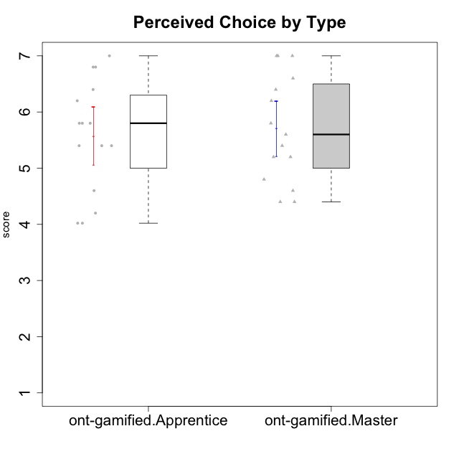

Student's t-Test data
UserID | NroUSP | Type | CLGroup | CLRole | PlayerRole | Interest/Enjoyment | Perceived Choice | Pressure/Tension | Effort/Importance | Intrinsic Motivation
10169 | 10377538 | ont-gamified | Grupo Hefesto | Master | Yee Achiever | 5.6666666667 | 4.8 | 1.9913 | 6 | 5.6166666667
10170 | 10260351 | ont-gamified | Grupo Afrodite | Apprentice | Yee Achiever | 5.1666666667 | 6.4 | 1 | 6 | 6.1416666667
10174 | 10276852 | ont-gamified | Grupo Urano | Master | Yee Achiever | 4.8333333333 | 4.4 | 1.25 | 6.6666666667 | 5.6625
10175 | 10310700 | ont-gamified | Grupo Hélio | Master | Yee Socializer | 5.6666666667 | 7 | 1 | 5 | 6.1666666667
10176 | 10276949 | ont-gamified | Grupo Cronus | Apprentice | Yee Achiever | 4.1666666667 | 5.8 | 1.9913 | 4.6666666667 | 4.9708333333
10178 | 8656201 | ont-gamified | Grupo Morfeu | Apprentice | Yee Socializer | 5 | 5.8 | 1.9913 | 6 | 5.6375
10183 | 10352030 | ont-gamified | Grupo Hélio | Apprentice | Yee Socializer | 4 | 5.4 | 1.9913 | 5.6666666667 | 5.0791666667
10184 | 10276675 | ont-gamified | Grupo Apolo | Master | Yee Socializer | 4.5 | 5.6 | 1.9913 | 6.6666666667 | 5.6291666667
10186 | 10310551 | ont-gamified | Grupo Ares | Apprentice | Yee Achiever | 4.6666666667 | 6.2 | 1.9913 | 7 | 5.7166666667
10189 | 9363926 | ont-gamified | Grupo Hades | Master | Yee Socializer | 4 | 5.2 | 1.9913 | 6.3333333333 | 5.0083333333
10190 | 10276907 | ont-gamified | Grupo Zeus | Apprentice | Yee Socializer | 4.5 | 5.8 | 1.75 | 4.0232 | 5.1375
10193 | 10276762 | ont-gamified | Grupo Afrodite | Master | Yee Achiever | 4.8333333333 | 4.4 | 1.25 | 4.6666666667 | 5.1625
10195 | 10351971 | ont-gamified | Grupo Urano | Apprentice | Yee Achiever | 5.3333333333 | 4.6 | 1 | 6 | 5.7333333333
10196 | 10310655 | ont-gamified | Grupo Hefesto | Apprentice | Yee Achiever | 4 | 4.2 | 1 | 6.3333333333 | 5.3833333333
10197 | 10276661 | ont-gamified | Grupo Gaia | Apprentice | Yee Achiever | 4.8333333333 | 6.8 | 1 | 5 | 5.9083333333
10198 | 10310888 | ont-gamified | Grupo Apolo | Apprentice | Yee Socializer | 6.6434666667 | 7 | 1 | 7 | 6.8989766667
10199 | 10276737 | ont-gamified | Grupo Gaia | Master | Yee Achiever | 4 | 7 | 1.9913 | 4.6666666667 | 5.2291666667
10200 | 9795272 | ont-gamified | Grupo Hades | Apprentice | Yee Socializer | 6.3333333333 | 5.4 | 1 | 5 | 5.9333333333
10201 | 10276928 | ont-gamified | Grupo Caronte | Master | Yee Achiever | 6.3333333333 | 5.8 | 1.9913 | 7 | 6.2833333333
10204 | 10310471 | ont-gamified | Grupo Hermes | Master | Yee Achiever | 6.8333333333 | 6.2 | 1 | 6 | 6.5083333333
10206 | 10310721 | ont-gamified | Grupo Hera | Master | Yee Achiever | 4.5 | 6.6 | 1.9913 | 5.6666666667 | 5.3166666667
10209 | 10262669 | ont-gamified | Grupo Artemis | Apprentice | Yee Achiever | 3.1666666667 | 4.02088 | 1 | 7 | 4.6416666667
10213 | 10277040 | ont-gamified | Grupo Morfeu | Master | Yee Socializer | 5.5 | 4.6 | 1 | 4.0232 | 5.1083333333
10215 | 9285227 | ont-gamified | Grupo Zeus | Master | Yee Socializer | 5 | 7 | 1 | 6 | 6.25
10218 | 9842913 | ont-gamified | Grupo Ares | Master | Yee Achiever | 3.3333333333 | 5.4 | 1.9913 | 6.3333333333 | 4.8916666667
10221 | 9082496 | ont-gamified | Grupo Hermes | Apprentice | Yee Achiever | 4.5 | 5.4 | 1 | 6.3333333333 | 5.8083333333
10223 | 9795185 | ont-gamified | Grupo Cronus | Master | Yee Achiever | 6.3333333333 | 6.4 | 1.25 | 5.3333333333 | 6.2041666667
10231 | 10276911 | ont-gamified | Grupo Caronte | Apprentice | Yee Achiever | 6.6434666667 | 6.8 | 1 | 6.3333333333 | 6.7833333333
10232 | 10276974 | ont-gamified | Grupo Artemis | Master | Yee Achiever | 5.5 | 5.2 | 1.9913 | 6 | 5.425
10240 | 10276654 | ont-gamified | Grupo Hera | Apprentice | Yee Achiever | 3.5 | 4.02088 | 1 | 4.6666666667 | 4.4564566667

