Assumptions
ANOVA assumptions for Interest/Enjoyment

Shapiro-Wilk normality test for Interest/Enjoyment
W | p.value
0.97917299324 | 0.45334145999

Plots for normality test
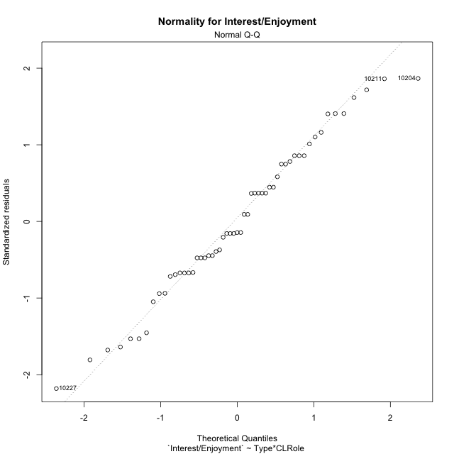

Levene's Test for Homogeneity of Variance in Interest/Enjoyment
Df | F value | Pr(>F)
3 | 2.1264574239 | 0.10831545611
51

Plots for homogeneity of variance
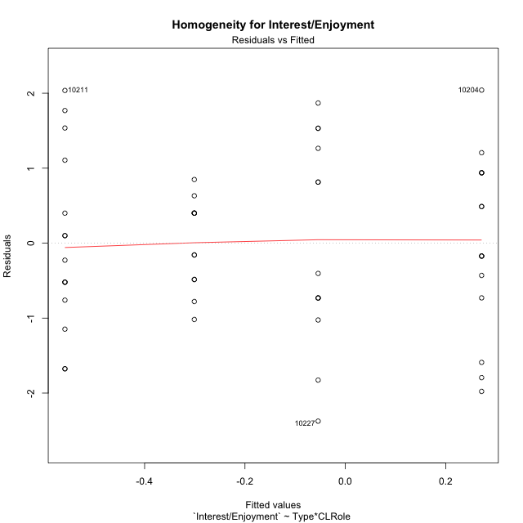

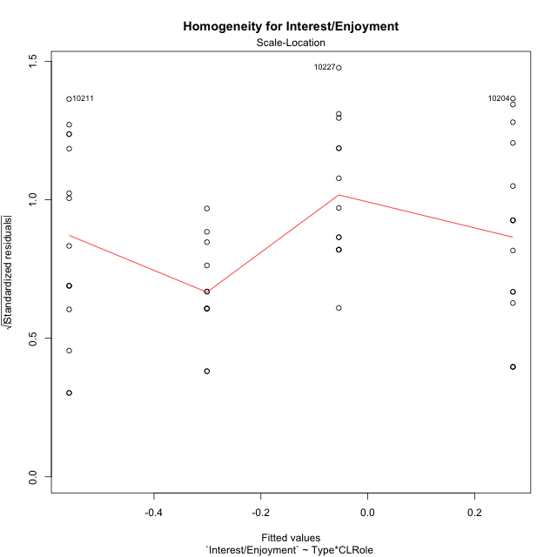

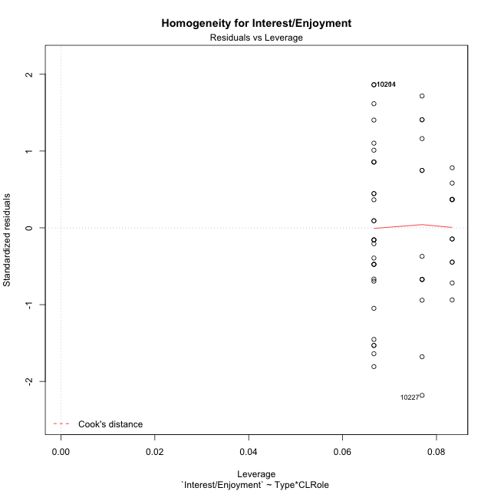

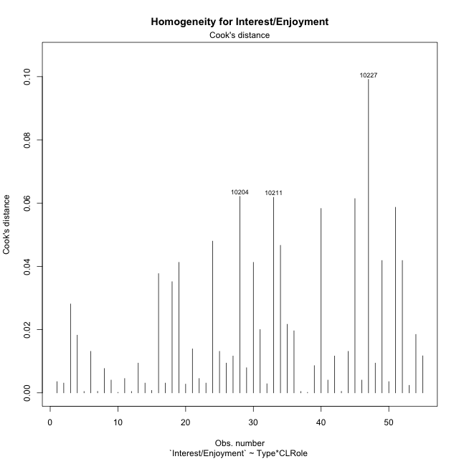

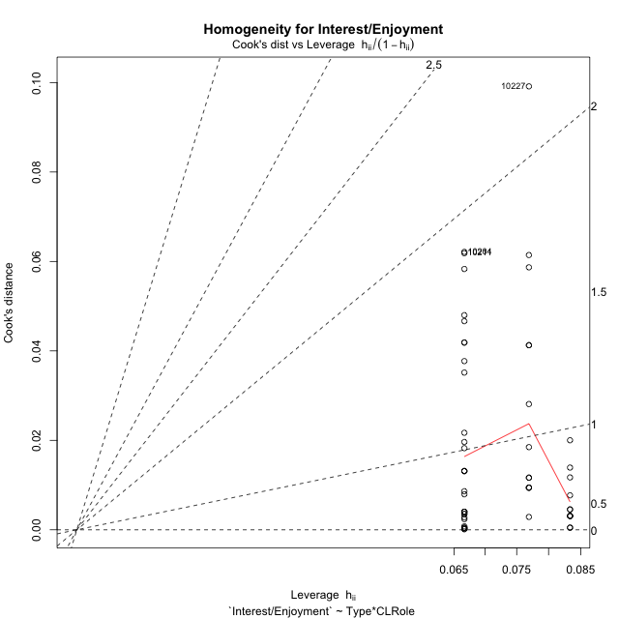

Minimum Sample Size Test for Interest/Enjoyment
Type | CLRole | Freq
non-gamified | Apprentice | 13
ont-gamified | Apprentice | 12
non-gamified | Master | 15
ont-gamified | Master | 15

Errors and Warnings in Sample Size Test for ANOVA in Interest/Enjoyment
code | description
WARN: sample.size | current.size is = 13 and recommended.size must be = 15 for the group: 'non-gamified:Apprentice'. Size sample for parametric test isn't recomended
WARN: sample.size | current.size is = 12 and recommended.size must be = 15 for the group: 'ont-gamified:Apprentice'. Size sample for parametric test isn't recomended

For the group: 'non-gamified:Apprentice', we recommend the use of non parametric test. For the group: 'ont-gamified:Apprentice', we recommend the use of non parametric test. For the group: 'non-gamified:Master', you can perform a parametric test with a non-normal distribution For the group: 'ont-gamified:Master', you can perform a parametric test with a non-normal distribution

If you don't want to remove non-normal data, you must cite the following references: ... (1) Lix, L.M., J.C. Keselman, and H.J. Keselman. 1996. Consequences of assumption violations revisited: A quantitative review of alternatives to the one-way analysis of variance F test. Rev. Educ. Res. 66: 579-619. ... (2) Harwell, M.R., E.N. Rubinstein, W.S. Hayes, and C.C. Olds. 1992. Summarizing Monte Carlo results in methodological research: the one- and two-factor fixed effects ANOVA cases. J. Educ. Stat. 17: 315-339.

Post-hoc
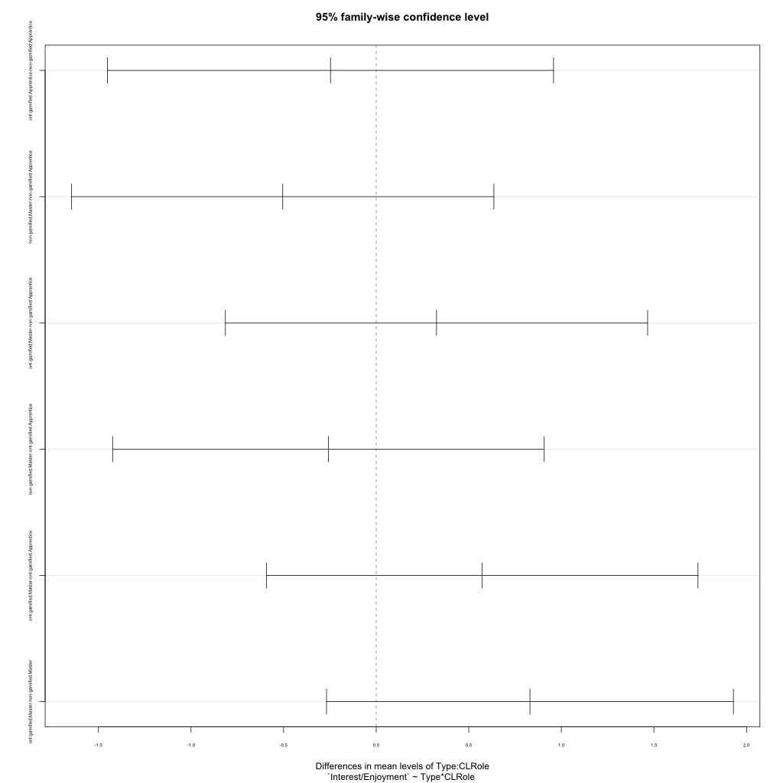
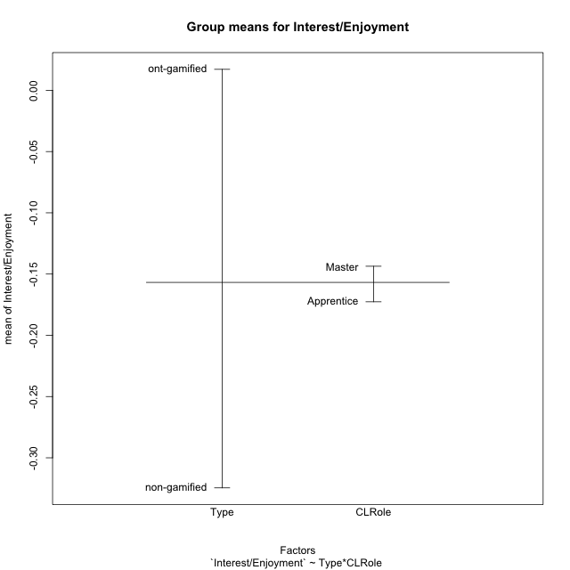
Post-hoc Tukey Honestly Significant Difference (HSD) Test for Interest/Enjoyment

Comparisons of means for Type
 | diff | lwr | upr | p adj
ont-gamified-non-gamified | 0.34167905376 | -0.27179197886 | 0.95515008639 | 0.2687446261

Comparisons of means for CLRole
 | diff | lwr | upr | p adj
Master-Apprentice | 0.022196555195 | -0.59372347333 | 0.63811658372 | 0.94260684874

Comparisons of means for Type:CLRole
 | diff | lwr | upr | p adj
ont-gamified:Apprentice-non-gamified:Apprentice | -0.24674347764 | -1.451236417 | 0.95774946176 | 0.94772951741
non-gamified:Master-non-gamified:Apprentice | -0.50462645921 | -1.6447666716 | 0.63551375322 | 0.64490193288
ont-gamified:Master-non-gamified:Apprentice | 0.32581299322 | -0.81432721921 | 1.4659532056 | 0.87241092549
non-gamified:Master-ont-gamified:Apprentice | -0.25788298157 | -1.4231948856 | 0.90742892244 | 0.93534121754
ont-gamified:Master-ont-gamified:Apprentice | 0.57255647086 | -0.59275543316 | 1.7378683749 | 0.56412466929
ont-gamified:Master-non-gamified:Master | 0.83043945243 | -0.26822714694 | 1.9291060518 | 0.19873003687

Contrast Matrices for Interest/Enjoyment - Type
contrast | estimate | SE | df | t.ratio | p.value
non-gamified - ont-gamified | -0.29184798739 | 0.30693073666 | 51 | -0.95085943679 | 0.34616035643

Contrast Matrices for Interest/Enjoyment - Type:CLRole
contrast | CLRole | estimate | SE | df | t.ratio | p.value
non-gamified - ont-gamified | Apprentice | 0.24674347764 | 0.45353169465 | 51 | 0.54404902801 | 0.58877845705
non-gamified - ont-gamified | Master | -0.83043945243 | 0.41368455419 | 51 | -2.0074219451 | 0.050017786106

Least Squares Means and Confidence Intervals for Type
Type | lsmean | SE | df | lower.CL | upper.CL | Pairs
non-gamified | -0.30651301881 | 0.21465037517 | 51 | -0.7374416283 | 0.12441559069 | non-gamified
ont-gamified | -0.014665031414 | 0.21938936516 | 51 | -0.45510756028 | 0.42577749745 | ont-gamified

Least Squares Means and Confidence Intervals for Type:CLRole
Type | CLRole | lsmean | SE | df | lower.CL | upper.CL | Pairs
non-gamified | Apprentice | -0.054199789202 | 0.31421597519 | 51 | -0.68501468136 | 0.57661510296 | non-gamified.Apprentice
ont-gamified | Apprentice | -0.30094326684 | 0.32704635602 | 51 | -0.95751622333 | 0.35562968964 | ont-gamified.Apprentice
non-gamified | Master | -0.55882624841 | 0.29251915354 | 51 | -1.1460829536 | 0.028430456741 | non-gamified.Master
ont-gamified | Master | 0.27161320401 | 0.29251915354 | 51 | -0.31564350114 | 0.85886990917 | ont-gamified.Master

Plots

Type_1
Student's t-Test for Interest/Enjoyment in Type between non-gamified:ont-gamified

Student's t-Test results
Alternative hypothesis: less
Group | N | Mean | Mean.Difference | Std.deviation | Std.error | CI.lower | CI.upper | df | t.value | p.value | g | magnitude
non-gamified | 28 | -0.32453539235 | -0.34167905376 | 1.2779899639 | 0.24151740162 | -0.80757019558 | 0.15849941088 | 50.616485425 | -1.112075959 | 0.13567981395 | -0.2943073242 | small
ont-gamified | 27 | 0.017143661411 | 0.34167905376 | 0.98683723718 | 0.18991691484 | -0.36269016828 | 0.3969774911 | 50.616485425 | -1.112075959 | 0.13567981395 | -0.2943073242 | small
Alternative hypothesis: greater
Group | N | Mean | Mean.Difference | Std.deviation | Std.error | CI.lower | CI.upper | df | t.value | p.value | g | magnitude
non-gamified | 28 | -0.32453539235 | -0.34167905376 | 1.2779899639 | 0.24151740162 | -0.80757019558 | 0.15849941088 | 50.616485425 | -1.112075959 | 0.86432018605 | -0.2943073242 | small
ont-gamified | 27 | 0.017143661411 | 0.34167905376 | 0.98683723718 | 0.18991691484 | -0.36269016828 | 0.3969774911 | 50.616485425 | -1.112075959 | 0.86432018605 | -0.2943073242 | small
Alternative hypothesis: two.sided
Group | N | Mean | Mean.Difference | Std.deviation | Std.error | CI.lower | CI.upper | df | t.value | p.value | g | magnitude
non-gamified | 28 | -0.32453539235 | -0.34167905376 | 1.2779899639 | 0.24151740162 | -0.80757019558 | 0.15849941088 | 50.616485425 | -1.112075959 | 0.27135962791 | -0.2943073242 | small
ont-gamified | 27 | 0.017143661411 | 0.34167905376 | 0.98683723718 | 0.18991691484 | -0.36269016828 | 0.3969774911 | 50.616485425 | -1.112075959 | 0.27135962791 | -0.2943073242 | small

Box plots for Student's t-Test
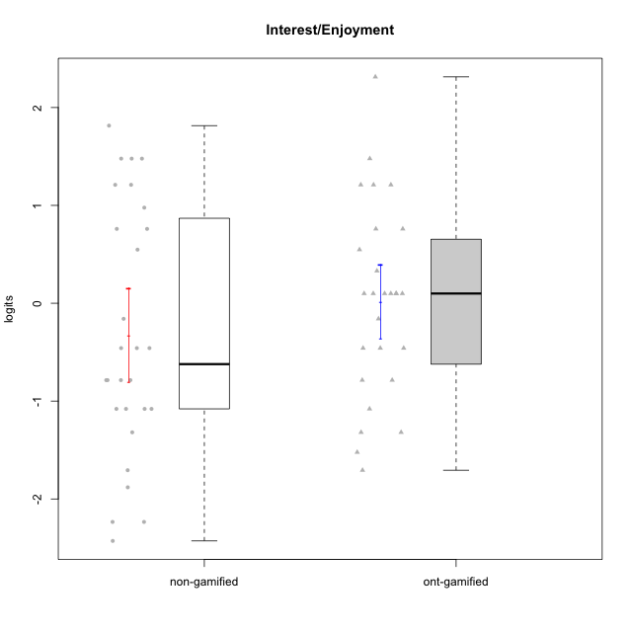

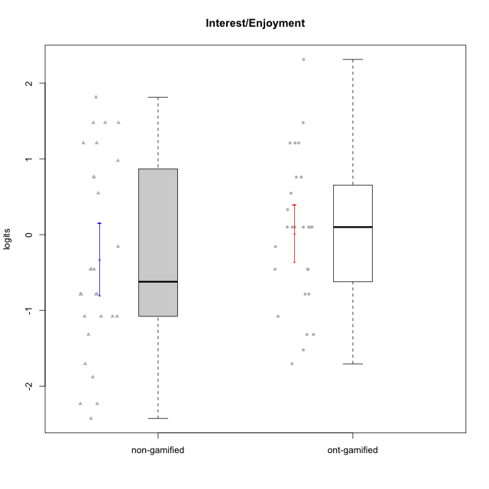

Student's t-Test data
UserID | NroUSP | Type | CLGroup | CLRole | PlayerRole | Interest/Enjoyment | error | WLE.rel
10169 | 10377538 | ont-gamified | Grupo Hefesto | Master | Yee Achiever | 0.75982855023 | 0.48407156191 | 0.826596113
10170 | 10260351 | ont-gamified | Grupo Afrodite | Apprentice | Yee Achiever | 0.099371116318 | 0.49928370005 | 0.826596113
10171 | 698531 | non-gamified | Grupo Team 6 | Apprentice |  | 1.2102266346 | 0.52241734399 | 0.826596113
10172 | 10273971 | non-gamified | Grupo Team 1 | Master |  | 0.54760724756 | 0.48118454525 | 0.826596113
10174 | 10276852 | ont-gamified | Grupo Urano | Master | Yee Achiever | 0.099371116318 | 0.49928370005 | 0.826596113
10175 | 10310700 | ont-gamified | Grupo Hélio | Master | Yee Socializer | 1.2102266346 | 0.52241734399 | 0.826596113
10176 | 10276949 | ont-gamified | Grupo Cronus | Apprentice | Yee Achiever | -0.45849883119 | 0.53205566779 | 0.826596113
10178 | 8656201 | ont-gamified | Grupo Morfeu | Apprentice | Yee Socializer | 0.33074768353 | 0.48658427926 | 0.826596113
10179 | 10310759 | non-gamified | Grupo Team 9 | Master |  | -1.0794969917 | 0.50063805699 | 0.826596113
10181 | 10276866 | non-gamified | Grupo Team 10 | Master |  | -0.45849883119 | 0.53205566779 | 0.826596113
10183 | 10352030 | ont-gamified | Grupo Hélio | Apprentice | Yee Socializer | -0.78581249191 | 0.52669787418 | 0.826596113
10184 | 10276675 | ont-gamified | Grupo Apolo | Master | Yee Socializer | 0.099371116318 | 0.49928370005 | 0.826596113
10185 | 10276960 | non-gamified | Grupo Team 12 | Apprentice |  | -0.78581249191 | 0.52669787418 | 0.826596113
10186 | 10310551 | ont-gamified | Grupo Ares | Apprentice | Yee Achiever | 0.099371116318 | 0.49928370005 | 0.826596113
10188 | 10276995 | non-gamified | Grupo Team 3 | Master |  | -0.78581249191 | 0.52669787418 | 0.826596113
10189 | 9363926 | ont-gamified | Grupo Hades | Master | Yee Socializer | -1.3190389606 | 0.4735701913 | 0.826596113
10190 | 10276907 | ont-gamified | Grupo Zeus | Apprentice | Yee Socializer | 0.099371116318 | 0.49928370005 | 0.826596113
10191 | 10276981 | non-gamified | Grupo Team 6 | Master |  | 0.97684984087 | 0.49676010696 | 0.826596113
10192 | 10276682 | non-gamified | Grupo Team 5 | Apprentice |  | 1.4778855198 | 0.56790858818 | 0.826596113
10193 | 10276762 | ont-gamified | Grupo Afrodite | Master | Yee Achiever | -0.15910373489 | 0.51711124214 | 0.826596113
10195 | 10351971 | ont-gamified | Grupo Urano | Apprentice | Yee Achiever | 0.54760724756 | 0.48118454525 | 0.826596113
10196 | 10310655 | ont-gamified | Grupo Hefesto | Apprentice | Yee Achiever | -0.78581249191 | 0.52669787418 | 0.826596113
10197 | 10276661 | ont-gamified | Grupo Gaia | Apprentice | Yee Achiever | 0.099371116318 | 0.49928370005 | 0.826596113
10199 | 10276737 | ont-gamified | Grupo Gaia | Master | Yee Achiever | -1.522527884 | 0.45384242527 | 0.826596113
10201 | 10276928 | ont-gamified | Grupo Caronte | Master | Yee Achiever | 1.2102266346 | 0.52241734399 | 0.826596113
10202 | 10277036 | non-gamified | Grupo Team 11 | Apprentice |  | -0.78581249191 | 0.52669787418 | 0.826596113
10203 | 9921470 | non-gamified | Grupo Team 3 | Apprentice |  | 0.75982855023 | 0.48407156191 | 0.826596113
10204 | 10310471 | ont-gamified | Grupo Hermes | Master | Yee Achiever | 2.3132993964 | 0.82046237198 | 0.826596113
10206 | 10310721 | ont-gamified | Grupo Hera | Master | Yee Achiever | -0.45849883119 | 0.53205566779 | 0.826596113
10208 | 10276932 | non-gamified | Grupo Team 7 | Apprentice |  | 1.4778855198 | 0.56790858818 | 0.826596113
10209 | 10262669 | ont-gamified | Grupo Artemis | Apprentice | Yee Achiever | -1.3190389606 | 0.4735701913 | 0.826596113
10210 | 10277015 | non-gamified | Grupo Team 9 | Apprentice |  | -0.45849883119 | 0.53205566779 | 0.826596113
10211 | 9311643 | non-gamified | Grupo Team 2 | Master |  | 1.4778855198 | 0.56790858818 | 0.826596113
10212 | 9065750 | non-gamified | Grupo Team 4 | Master |  | 1.2102266346 | 0.52241734399 | 0.826596113
10213 | 10277040 | ont-gamified | Grupo Morfeu | Master | Yee Socializer | 1.4778855198 | 0.56790858818 | 0.826596113
10214 | 10277022 | non-gamified | Grupo Team 5 | Master |  | -1.7062677985 | 0.44228308174 | 0.826596113
10215 | 9285227 | ont-gamified | Grupo Zeus | Master | Yee Socializer | 0.099371116318 | 0.49928370005 | 0.826596113
10216 | 10276720 | non-gamified | Grupo Team 15 | Master |  | -0.45849883119 | 0.53205566779 | 0.826596113
10217 | 9805341 | non-gamified | Grupo Team 13 | Master |  | -1.3190389606 | 0.4735701913 | 0.826596113
10218 | 9842913 | ont-gamified | Grupo Ares | Master | Yee Achiever | -1.7062677985 | 0.44228308174 | 0.826596113
10219 | 10276831 | non-gamified | Grupo Team 12 | Master |  | -1.0794969917 | 0.50063805699 | 0.826596113
10220 | 9760151 | non-gamified | Grupo Team 2 | Apprentice |  | 0.75982855023 | 0.48407156191 | 0.826596113
10221 | 9082496 | ont-gamified | Grupo Hermes | Apprentice | Yee Achiever | -0.45849883119 | 0.53205566779 | 0.826596113
10223 | 9795185 | ont-gamified | Grupo Cronus | Master | Yee Achiever | 1.2102266346 | 0.52241734399 | 0.826596113
10224 | 9368772 | non-gamified | Grupo Team 10 | Apprentice |  | 1.8149342573 | 0.64984865771 | 0.826596113
10226 | 10310342 | non-gamified | Grupo Team 8 | Master |  | -1.0794969917 | 0.50063805699 | 0.826596113
10227 | 9274382 | non-gamified | Grupo Team 4 | Apprentice |  | -2.428716568 | 0.47754477161 | 0.826596113
10228 | 10310492 | non-gamified | Grupo Team 14 | Apprentice |  | -0.78581249191 | 0.52669787418 | 0.826596113
10230 | 10351992 | non-gamified | Grupo Team 14 | Master |  | -2.2346256728 | 0.45450238768 | 0.826596113
10232 | 10276974 | ont-gamified | Grupo Artemis | Master | Yee Achiever | 0.75982855023 | 0.48407156191 | 0.826596113
10233 | 9805320 | non-gamified | Grupo Team 16 | Apprentice |  | -1.8810364248 | 0.4384412268 | 0.826596113
10234 | 10310676 | non-gamified | Grupo Team 7 | Master |  | -2.2346256728 | 0.45450238768 | 0.826596113
10237 | 10377688 | non-gamified | Grupo Team 11 | Master |  | -0.15910373489 | 0.51711124214 | 0.826596113
10238 | 10276953 | non-gamified | Grupo Team 13 | Apprentice |  | -1.0794969917 | 0.50063805699 | 0.826596113
10240 | 10276654 | ont-gamified | Grupo Hera | Apprentice | Yee Achiever | -1.0794969917 | 0.50063805699 | 0.826596113

Type_CLRole_1
Student's t-Test for Interest/Enjoyment in Type:CLRole between non-gamified.Apprentice:non-gamified.Master

Student's t-Test results
Alternative hypothesis: less
Group | N | Mean | Mean.Difference | Std.deviation | Std.error | CI.lower | CI.upper | df | t.value | p.value | g | magnitude
non-gamified.Apprentice | 13 | -0.054199789202 | 0.50462645921 | 1.3816782327 | 0.38320859339 | -0.82061697598 | 0.71221739757 | 23.785688845 | 1.0315558411 | 0.84367209242 | 0.38399305551 | small
non-gamified.Master | 15 | -0.55882624841 | -0.50462645921 | 1.1776525699 | 0.30406858605 | -1.1669634205 | 0.049310923684 | 23.785688845 | 1.0315558411 | 0.84367209242 | 0.38399305551 | small
Alternative hypothesis: greater
Group | N | Mean | Mean.Difference | Std.deviation | Std.error | CI.lower | CI.upper | df | t.value | p.value | g | magnitude
non-gamified.Apprentice | 13 | -0.054199789202 | 0.50462645921 | 1.3816782327 | 0.38320859339 | -0.82061697598 | 0.71221739757 | 23.785688845 | 1.0315558411 | 0.15632790758 | 0.38399305551 | small
non-gamified.Master | 15 | -0.55882624841 | -0.50462645921 | 1.1776525699 | 0.30406858605 | -1.1669634205 | 0.049310923684 | 23.785688845 | 1.0315558411 | 0.15632790758 | 0.38399305551 | small
Alternative hypothesis: two.sided
Group | N | Mean | Mean.Difference | Std.deviation | Std.error | CI.lower | CI.upper | df | t.value | p.value | g | magnitude
non-gamified.Apprentice | 13 | -0.054199789202 | 0.50462645921 | 1.3816782327 | 0.38320859339 | -0.82061697598 | 0.71221739757 | 23.785688845 | 1.0315558411 | 0.31265581516 | 0.38399305551 | small
non-gamified.Master | 15 | -0.55882624841 | -0.50462645921 | 1.1776525699 | 0.30406858605 | -1.1669634205 | 0.049310923684 | 23.785688845 | 1.0315558411 | 0.31265581516 | 0.38399305551 | small

Box plots for Student's t-Test
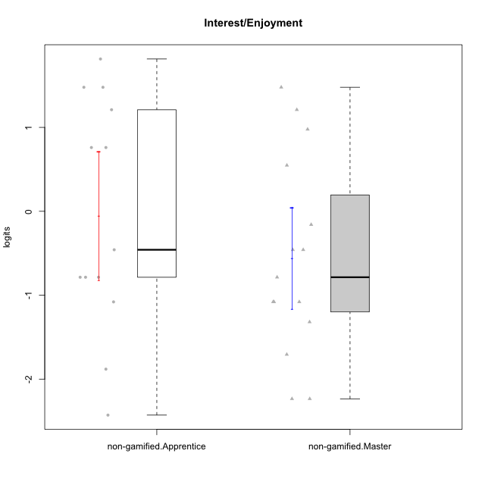

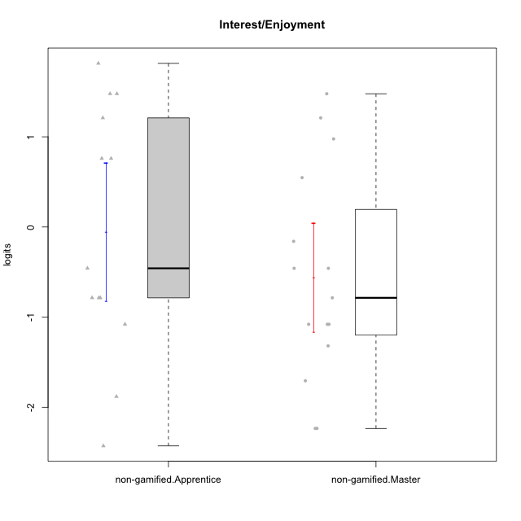

Student's t-Test data
UserID | NroUSP | Type | CLGroup | CLRole | PlayerRole | Interest/Enjoyment | error | WLE.rel
10171 | 698531 | non-gamified | Grupo Team 6 | Apprentice |  | 1.2102266346 | 0.52241734399 | 0.826596113
10172 | 10273971 | non-gamified | Grupo Team 1 | Master |  | 0.54760724756 | 0.48118454525 | 0.826596113
10179 | 10310759 | non-gamified | Grupo Team 9 | Master |  | -1.0794969917 | 0.50063805699 | 0.826596113
10181 | 10276866 | non-gamified | Grupo Team 10 | Master |  | -0.45849883119 | 0.53205566779 | 0.826596113
10185 | 10276960 | non-gamified | Grupo Team 12 | Apprentice |  | -0.78581249191 | 0.52669787418 | 0.826596113
10188 | 10276995 | non-gamified | Grupo Team 3 | Master |  | -0.78581249191 | 0.52669787418 | 0.826596113
10191 | 10276981 | non-gamified | Grupo Team 6 | Master |  | 0.97684984087 | 0.49676010696 | 0.826596113
10192 | 10276682 | non-gamified | Grupo Team 5 | Apprentice |  | 1.4778855198 | 0.56790858818 | 0.826596113
10202 | 10277036 | non-gamified | Grupo Team 11 | Apprentice |  | -0.78581249191 | 0.52669787418 | 0.826596113
10203 | 9921470 | non-gamified | Grupo Team 3 | Apprentice |  | 0.75982855023 | 0.48407156191 | 0.826596113
10208 | 10276932 | non-gamified | Grupo Team 7 | Apprentice |  | 1.4778855198 | 0.56790858818 | 0.826596113
10210 | 10277015 | non-gamified | Grupo Team 9 | Apprentice |  | -0.45849883119 | 0.53205566779 | 0.826596113
10211 | 9311643 | non-gamified | Grupo Team 2 | Master |  | 1.4778855198 | 0.56790858818 | 0.826596113
10212 | 9065750 | non-gamified | Grupo Team 4 | Master |  | 1.2102266346 | 0.52241734399 | 0.826596113
10214 | 10277022 | non-gamified | Grupo Team 5 | Master |  | -1.7062677985 | 0.44228308174 | 0.826596113
10216 | 10276720 | non-gamified | Grupo Team 15 | Master |  | -0.45849883119 | 0.53205566779 | 0.826596113
10217 | 9805341 | non-gamified | Grupo Team 13 | Master |  | -1.3190389606 | 0.4735701913 | 0.826596113
10219 | 10276831 | non-gamified | Grupo Team 12 | Master |  | -1.0794969917 | 0.50063805699 | 0.826596113
10220 | 9760151 | non-gamified | Grupo Team 2 | Apprentice |  | 0.75982855023 | 0.48407156191 | 0.826596113
10224 | 9368772 | non-gamified | Grupo Team 10 | Apprentice |  | 1.8149342573 | 0.64984865771 | 0.826596113
10226 | 10310342 | non-gamified | Grupo Team 8 | Master |  | -1.0794969917 | 0.50063805699 | 0.826596113
10227 | 9274382 | non-gamified | Grupo Team 4 | Apprentice |  | -2.428716568 | 0.47754477161 | 0.826596113
10228 | 10310492 | non-gamified | Grupo Team 14 | Apprentice |  | -0.78581249191 | 0.52669787418 | 0.826596113
10230 | 10351992 | non-gamified | Grupo Team 14 | Master |  | -2.2346256728 | 0.45450238768 | 0.826596113
10233 | 9805320 | non-gamified | Grupo Team 16 | Apprentice |  | -1.8810364248 | 0.4384412268 | 0.826596113
10234 | 10310676 | non-gamified | Grupo Team 7 | Master |  | -2.2346256728 | 0.45450238768 | 0.826596113
10237 | 10377688 | non-gamified | Grupo Team 11 | Master |  | -0.15910373489 | 0.51711124214 | 0.826596113
10238 | 10276953 | non-gamified | Grupo Team 13 | Apprentice |  | -1.0794969917 | 0.50063805699 | 0.826596113

Type_CLRole_2
Student's t-Test for Interest/Enjoyment in Type:CLRole between non-gamified.Apprentice:ont-gamified.Apprentice

Student's t-Test results
Alternative hypothesis: less
Group | N | Mean | Mean.Difference | Std.deviation | Std.error | CI.lower | CI.upper | df | t.value | p.value | g | magnitude
non-gamified.Apprentice | 13 | -0.054199789202 | 0.24674347764 | 1.3816782327 | 0.38320859339 | -0.82061697598 | 0.71221739757 | 16.606231501 | 0.58720925578 | 0.71751879789 | 0.2209186715 | small
ont-gamified.Apprentice | 12 | -0.30094326684 | -0.24674347764 | 0.59715891294 | 0.17238492957 | -0.64571312598 | 0.043826592293 | 16.606231501 | 0.58720925578 | 0.71751879789 | 0.2209186715 | small
Alternative hypothesis: greater
Group | N | Mean | Mean.Difference | Std.deviation | Std.error | CI.lower | CI.upper | df | t.value | p.value | g | magnitude
non-gamified.Apprentice | 13 | -0.054199789202 | 0.24674347764 | 1.3816782327 | 0.38320859339 | -0.82061697598 | 0.71221739757 | 16.606231501 | 0.58720925578 | 0.28248120211 | 0.2209186715 | small
ont-gamified.Apprentice | 12 | -0.30094326684 | -0.24674347764 | 0.59715891294 | 0.17238492957 | -0.64571312598 | 0.043826592293 | 16.606231501 | 0.58720925578 | 0.28248120211 | 0.2209186715 | small
Alternative hypothesis: two.sided
Group | N | Mean | Mean.Difference | Std.deviation | Std.error | CI.lower | CI.upper | df | t.value | p.value | g | magnitude
non-gamified.Apprentice | 13 | -0.054199789202 | 0.24674347764 | 1.3816782327 | 0.38320859339 | -0.82061697598 | 0.71221739757 | 16.606231501 | 0.58720925578 | 0.56496240423 | 0.2209186715 | small
ont-gamified.Apprentice | 12 | -0.30094326684 | -0.24674347764 | 0.59715891294 | 0.17238492957 | -0.64571312598 | 0.043826592293 | 16.606231501 | 0.58720925578 | 0.56496240423 | 0.2209186715 | small

Box plots for Student's t-Test
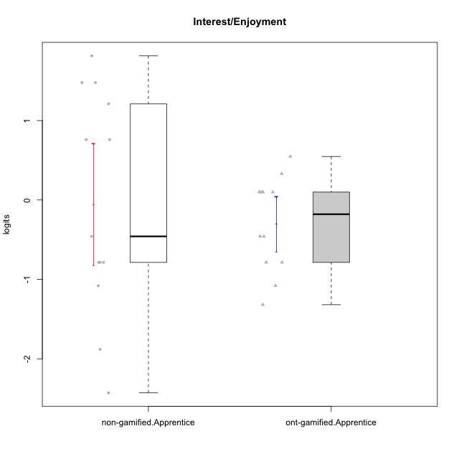

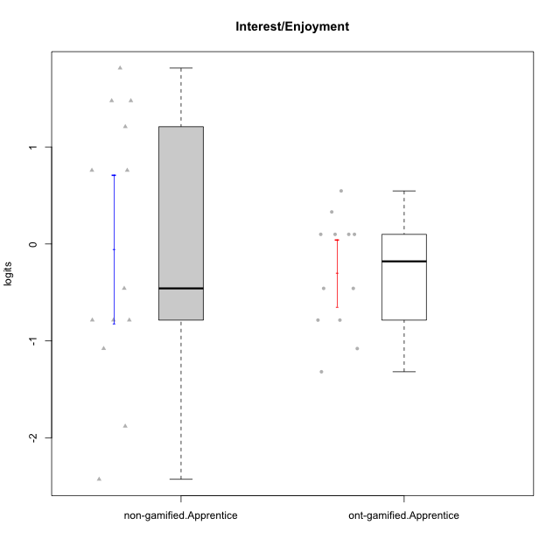

Student's t-Test data
UserID | NroUSP | Type | CLGroup | CLRole | PlayerRole | Interest/Enjoyment | error | WLE.rel
10170 | 10260351 | ont-gamified | Grupo Afrodite | Apprentice | Yee Achiever | 0.099371116318 | 0.49928370005 | 0.826596113
10171 | 698531 | non-gamified | Grupo Team 6 | Apprentice |  | 1.2102266346 | 0.52241734399 | 0.826596113
10176 | 10276949 | ont-gamified | Grupo Cronus | Apprentice | Yee Achiever | -0.45849883119 | 0.53205566779 | 0.826596113
10178 | 8656201 | ont-gamified | Grupo Morfeu | Apprentice | Yee Socializer | 0.33074768353 | 0.48658427926 | 0.826596113
10183 | 10352030 | ont-gamified | Grupo Hélio | Apprentice | Yee Socializer | -0.78581249191 | 0.52669787418 | 0.826596113
10185 | 10276960 | non-gamified | Grupo Team 12 | Apprentice |  | -0.78581249191 | 0.52669787418 | 0.826596113
10186 | 10310551 | ont-gamified | Grupo Ares | Apprentice | Yee Achiever | 0.099371116318 | 0.49928370005 | 0.826596113
10190 | 10276907 | ont-gamified | Grupo Zeus | Apprentice | Yee Socializer | 0.099371116318 | 0.49928370005 | 0.826596113
10192 | 10276682 | non-gamified | Grupo Team 5 | Apprentice |  | 1.4778855198 | 0.56790858818 | 0.826596113
10195 | 10351971 | ont-gamified | Grupo Urano | Apprentice | Yee Achiever | 0.54760724756 | 0.48118454525 | 0.826596113
10196 | 10310655 | ont-gamified | Grupo Hefesto | Apprentice | Yee Achiever | -0.78581249191 | 0.52669787418 | 0.826596113
10197 | 10276661 | ont-gamified | Grupo Gaia | Apprentice | Yee Achiever | 0.099371116318 | 0.49928370005 | 0.826596113
10202 | 10277036 | non-gamified | Grupo Team 11 | Apprentice |  | -0.78581249191 | 0.52669787418 | 0.826596113
10203 | 9921470 | non-gamified | Grupo Team 3 | Apprentice |  | 0.75982855023 | 0.48407156191 | 0.826596113
10208 | 10276932 | non-gamified | Grupo Team 7 | Apprentice |  | 1.4778855198 | 0.56790858818 | 0.826596113
10209 | 10262669 | ont-gamified | Grupo Artemis | Apprentice | Yee Achiever | -1.3190389606 | 0.4735701913 | 0.826596113
10210 | 10277015 | non-gamified | Grupo Team 9 | Apprentice |  | -0.45849883119 | 0.53205566779 | 0.826596113
10220 | 9760151 | non-gamified | Grupo Team 2 | Apprentice |  | 0.75982855023 | 0.48407156191 | 0.826596113
10221 | 9082496 | ont-gamified | Grupo Hermes | Apprentice | Yee Achiever | -0.45849883119 | 0.53205566779 | 0.826596113
10224 | 9368772 | non-gamified | Grupo Team 10 | Apprentice |  | 1.8149342573 | 0.64984865771 | 0.826596113
10227 | 9274382 | non-gamified | Grupo Team 4 | Apprentice |  | -2.428716568 | 0.47754477161 | 0.826596113
10228 | 10310492 | non-gamified | Grupo Team 14 | Apprentice |  | -0.78581249191 | 0.52669787418 | 0.826596113
10233 | 9805320 | non-gamified | Grupo Team 16 | Apprentice |  | -1.8810364248 | 0.4384412268 | 0.826596113
10238 | 10276953 | non-gamified | Grupo Team 13 | Apprentice |  | -1.0794969917 | 0.50063805699 | 0.826596113
10240 | 10276654 | ont-gamified | Grupo Hera | Apprentice | Yee Achiever | -1.0794969917 | 0.50063805699 | 0.826596113

Type_CLRole_3
Student's t-Test for Interest/Enjoyment in Type:CLRole between non-gamified.Apprentice:ont-gamified.Master

Student's t-Test results
Alternative hypothesis: less
Group | N | Mean | Mean.Difference | Std.deviation | Std.error | CI.lower | CI.upper | df | t.value | p.value | g | magnitude
non-gamified.Apprentice | 13 | -0.054199789202 | -0.32581299322 | 1.3816782327 | 0.38320859339 | -0.82061697598 | 0.71221739757 | 23.718664737 | -0.66738276231 | 0.25548461997 | -0.24852587536 | small
ont-gamified.Master | 15 | 0.27161320401 | 0.32581299322 | 1.1714454399 | 0.30246591198 | -0.33331861994 | 0.87654502797 | 23.718664737 | -0.66738276231 | 0.25548461997 | -0.24852587536 | small
Alternative hypothesis: greater
Group | N | Mean | Mean.Difference | Std.deviation | Std.error | CI.lower | CI.upper | df | t.value | p.value | g | magnitude
non-gamified.Apprentice | 13 | -0.054199789202 | -0.32581299322 | 1.3816782327 | 0.38320859339 | -0.82061697598 | 0.71221739757 | 23.718664737 | -0.66738276231 | 0.74451538003 | -0.24852587536 | small
ont-gamified.Master | 15 | 0.27161320401 | 0.32581299322 | 1.1714454399 | 0.30246591198 | -0.33331861994 | 0.87654502797 | 23.718664737 | -0.66738276231 | 0.74451538003 | -0.24852587536 | small
Alternative hypothesis: two.sided
Group | N | Mean | Mean.Difference | Std.deviation | Std.error | CI.lower | CI.upper | df | t.value | p.value | g | magnitude
non-gamified.Apprentice | 13 | -0.054199789202 | -0.32581299322 | 1.3816782327 | 0.38320859339 | -0.82061697598 | 0.71221739757 | 23.718664737 | -0.66738276231 | 0.51096923994 | -0.24852587536 | small
ont-gamified.Master | 15 | 0.27161320401 | 0.32581299322 | 1.1714454399 | 0.30246591198 | -0.33331861994 | 0.87654502797 | 23.718664737 | -0.66738276231 | 0.51096923994 | -0.24852587536 | small

Box plots for Student's t-Test
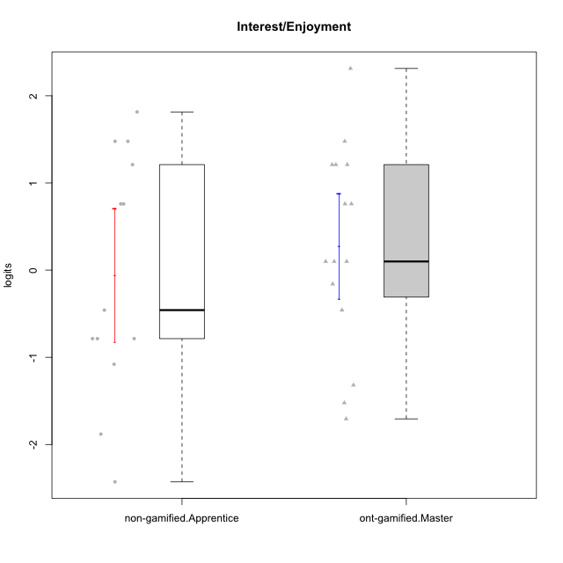

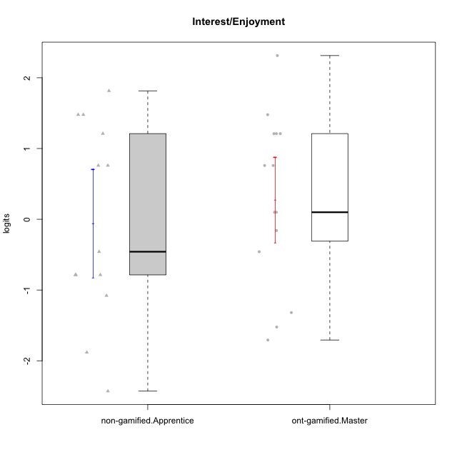

Student's t-Test data
UserID | NroUSP | Type | CLGroup | CLRole | PlayerRole | Interest/Enjoyment | error | WLE.rel
10169 | 10377538 | ont-gamified | Grupo Hefesto | Master | Yee Achiever | 0.75982855023 | 0.48407156191 | 0.826596113
10171 | 698531 | non-gamified | Grupo Team 6 | Apprentice |  | 1.2102266346 | 0.52241734399 | 0.826596113
10174 | 10276852 | ont-gamified | Grupo Urano | Master | Yee Achiever | 0.099371116318 | 0.49928370005 | 0.826596113
10175 | 10310700 | ont-gamified | Grupo Hélio | Master | Yee Socializer | 1.2102266346 | 0.52241734399 | 0.826596113
10184 | 10276675 | ont-gamified | Grupo Apolo | Master | Yee Socializer | 0.099371116318 | 0.49928370005 | 0.826596113
10185 | 10276960 | non-gamified | Grupo Team 12 | Apprentice |  | -0.78581249191 | 0.52669787418 | 0.826596113
10189 | 9363926 | ont-gamified | Grupo Hades | Master | Yee Socializer | -1.3190389606 | 0.4735701913 | 0.826596113
10192 | 10276682 | non-gamified | Grupo Team 5 | Apprentice |  | 1.4778855198 | 0.56790858818 | 0.826596113
10193 | 10276762 | ont-gamified | Grupo Afrodite | Master | Yee Achiever | -0.15910373489 | 0.51711124214 | 0.826596113
10199 | 10276737 | ont-gamified | Grupo Gaia | Master | Yee Achiever | -1.522527884 | 0.45384242527 | 0.826596113
10201 | 10276928 | ont-gamified | Grupo Caronte | Master | Yee Achiever | 1.2102266346 | 0.52241734399 | 0.826596113
10202 | 10277036 | non-gamified | Grupo Team 11 | Apprentice |  | -0.78581249191 | 0.52669787418 | 0.826596113
10203 | 9921470 | non-gamified | Grupo Team 3 | Apprentice |  | 0.75982855023 | 0.48407156191 | 0.826596113
10204 | 10310471 | ont-gamified | Grupo Hermes | Master | Yee Achiever | 2.3132993964 | 0.82046237198 | 0.826596113
10206 | 10310721 | ont-gamified | Grupo Hera | Master | Yee Achiever | -0.45849883119 | 0.53205566779 | 0.826596113
10208 | 10276932 | non-gamified | Grupo Team 7 | Apprentice |  | 1.4778855198 | 0.56790858818 | 0.826596113
10210 | 10277015 | non-gamified | Grupo Team 9 | Apprentice |  | -0.45849883119 | 0.53205566779 | 0.826596113
10213 | 10277040 | ont-gamified | Grupo Morfeu | Master | Yee Socializer | 1.4778855198 | 0.56790858818 | 0.826596113
10215 | 9285227 | ont-gamified | Grupo Zeus | Master | Yee Socializer | 0.099371116318 | 0.49928370005 | 0.826596113
10218 | 9842913 | ont-gamified | Grupo Ares | Master | Yee Achiever | -1.7062677985 | 0.44228308174 | 0.826596113
10220 | 9760151 | non-gamified | Grupo Team 2 | Apprentice |  | 0.75982855023 | 0.48407156191 | 0.826596113
10223 | 9795185 | ont-gamified | Grupo Cronus | Master | Yee Achiever | 1.2102266346 | 0.52241734399 | 0.826596113
10224 | 9368772 | non-gamified | Grupo Team 10 | Apprentice |  | 1.8149342573 | 0.64984865771 | 0.826596113
10227 | 9274382 | non-gamified | Grupo Team 4 | Apprentice |  | -2.428716568 | 0.47754477161 | 0.826596113
10228 | 10310492 | non-gamified | Grupo Team 14 | Apprentice |  | -0.78581249191 | 0.52669787418 | 0.826596113
10232 | 10276974 | ont-gamified | Grupo Artemis | Master | Yee Achiever | 0.75982855023 | 0.48407156191 | 0.826596113
10233 | 9805320 | non-gamified | Grupo Team 16 | Apprentice |  | -1.8810364248 | 0.4384412268 | 0.826596113
10238 | 10276953 | non-gamified | Grupo Team 13 | Apprentice |  | -1.0794969917 | 0.50063805699 | 0.826596113

Type_CLRole_4
Student's t-Test for Interest/Enjoyment in Type:CLRole between non-gamified.Master:ont-gamified.Apprentice

Student's t-Test results
Alternative hypothesis: less
Group | N | Mean | Mean.Difference | Std.deviation | Std.error | CI.lower | CI.upper | df | t.value | p.value | g | magnitude
non-gamified.Master | 15 | -0.55882624841 | -0.25788298157 | 1.1776525699 | 0.30406858605 | -1.1669634205 | 0.049310923684 | 21.605085455 | -0.73779007425 | 0.23429018381 | -0.25881554234 | small
ont-gamified.Apprentice | 12 | -0.30094326684 | 0.25788298157 | 0.59715891294 | 0.17238492957 | -0.64571312598 | 0.043826592293 | 21.605085455 | -0.73779007425 | 0.23429018381 | -0.25881554234 | small
Alternative hypothesis: greater
Group | N | Mean | Mean.Difference | Std.deviation | Std.error | CI.lower | CI.upper | df | t.value | p.value | g | magnitude
non-gamified.Master | 15 | -0.55882624841 | -0.25788298157 | 1.1776525699 | 0.30406858605 | -1.1669634205 | 0.049310923684 | 21.605085455 | -0.73779007425 | 0.76570981619 | -0.25881554234 | small
ont-gamified.Apprentice | 12 | -0.30094326684 | 0.25788298157 | 0.59715891294 | 0.17238492957 | -0.64571312598 | 0.043826592293 | 21.605085455 | -0.73779007425 | 0.76570981619 | -0.25881554234 | small
Alternative hypothesis: two.sided
Group | N | Mean | Mean.Difference | Std.deviation | Std.error | CI.lower | CI.upper | df | t.value | p.value | g | magnitude
non-gamified.Master | 15 | -0.55882624841 | -0.25788298157 | 1.1776525699 | 0.30406858605 | -1.1669634205 | 0.049310923684 | 21.605085455 | -0.73779007425 | 0.46858036763 | -0.25881554234 | small
ont-gamified.Apprentice | 12 | -0.30094326684 | 0.25788298157 | 0.59715891294 | 0.17238492957 | -0.64571312598 | 0.043826592293 | 21.605085455 | -0.73779007425 | 0.46858036763 | -0.25881554234 | small

Box plots for Student's t-Test
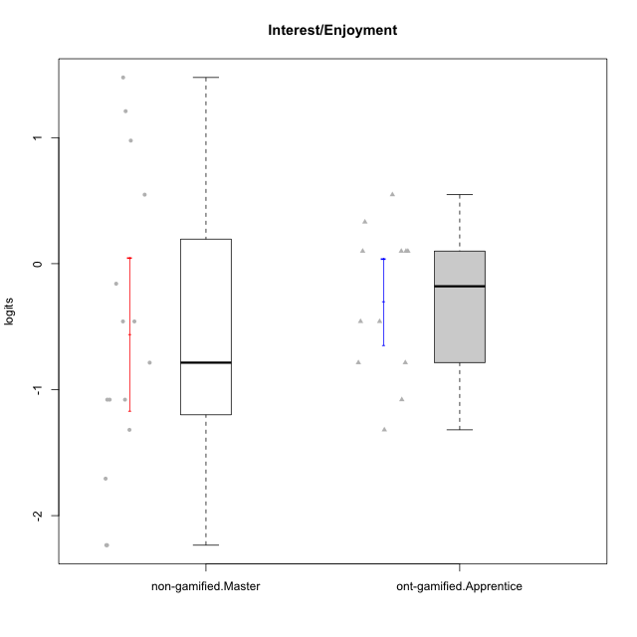

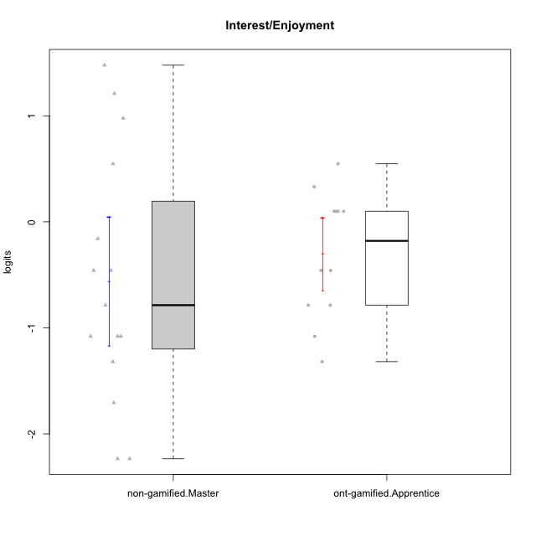

Student's t-Test data
UserID | NroUSP | Type | CLGroup | CLRole | PlayerRole | Interest/Enjoyment | error | WLE.rel
10170 | 10260351 | ont-gamified | Grupo Afrodite | Apprentice | Yee Achiever | 0.099371116318 | 0.49928370005 | 0.826596113
10172 | 10273971 | non-gamified | Grupo Team 1 | Master |  | 0.54760724756 | 0.48118454525 | 0.826596113
10176 | 10276949 | ont-gamified | Grupo Cronus | Apprentice | Yee Achiever | -0.45849883119 | 0.53205566779 | 0.826596113
10178 | 8656201 | ont-gamified | Grupo Morfeu | Apprentice | Yee Socializer | 0.33074768353 | 0.48658427926 | 0.826596113
10179 | 10310759 | non-gamified | Grupo Team 9 | Master |  | -1.0794969917 | 0.50063805699 | 0.826596113
10181 | 10276866 | non-gamified | Grupo Team 10 | Master |  | -0.45849883119 | 0.53205566779 | 0.826596113
10183 | 10352030 | ont-gamified | Grupo Hélio | Apprentice | Yee Socializer | -0.78581249191 | 0.52669787418 | 0.826596113
10186 | 10310551 | ont-gamified | Grupo Ares | Apprentice | Yee Achiever | 0.099371116318 | 0.49928370005 | 0.826596113
10188 | 10276995 | non-gamified | Grupo Team 3 | Master |  | -0.78581249191 | 0.52669787418 | 0.826596113
10190 | 10276907 | ont-gamified | Grupo Zeus | Apprentice | Yee Socializer | 0.099371116318 | 0.49928370005 | 0.826596113
10191 | 10276981 | non-gamified | Grupo Team 6 | Master |  | 0.97684984087 | 0.49676010696 | 0.826596113
10195 | 10351971 | ont-gamified | Grupo Urano | Apprentice | Yee Achiever | 0.54760724756 | 0.48118454525 | 0.826596113
10196 | 10310655 | ont-gamified | Grupo Hefesto | Apprentice | Yee Achiever | -0.78581249191 | 0.52669787418 | 0.826596113
10197 | 10276661 | ont-gamified | Grupo Gaia | Apprentice | Yee Achiever | 0.099371116318 | 0.49928370005 | 0.826596113
10209 | 10262669 | ont-gamified | Grupo Artemis | Apprentice | Yee Achiever | -1.3190389606 | 0.4735701913 | 0.826596113
10211 | 9311643 | non-gamified | Grupo Team 2 | Master |  | 1.4778855198 | 0.56790858818 | 0.826596113
10212 | 9065750 | non-gamified | Grupo Team 4 | Master |  | 1.2102266346 | 0.52241734399 | 0.826596113
10214 | 10277022 | non-gamified | Grupo Team 5 | Master |  | -1.7062677985 | 0.44228308174 | 0.826596113
10216 | 10276720 | non-gamified | Grupo Team 15 | Master |  | -0.45849883119 | 0.53205566779 | 0.826596113
10217 | 9805341 | non-gamified | Grupo Team 13 | Master |  | -1.3190389606 | 0.4735701913 | 0.826596113
10219 | 10276831 | non-gamified | Grupo Team 12 | Master |  | -1.0794969917 | 0.50063805699 | 0.826596113
10221 | 9082496 | ont-gamified | Grupo Hermes | Apprentice | Yee Achiever | -0.45849883119 | 0.53205566779 | 0.826596113
10226 | 10310342 | non-gamified | Grupo Team 8 | Master |  | -1.0794969917 | 0.50063805699 | 0.826596113
10230 | 10351992 | non-gamified | Grupo Team 14 | Master |  | -2.2346256728 | 0.45450238768 | 0.826596113
10234 | 10310676 | non-gamified | Grupo Team 7 | Master |  | -2.2346256728 | 0.45450238768 | 0.826596113
10237 | 10377688 | non-gamified | Grupo Team 11 | Master |  | -0.15910373489 | 0.51711124214 | 0.826596113
10240 | 10276654 | ont-gamified | Grupo Hera | Apprentice | Yee Achiever | -1.0794969917 | 0.50063805699 | 0.826596113

Type_CLRole_5
Student's t-Test for Interest/Enjoyment in Type:CLRole between non-gamified.Master:ont-gamified.Master

Student's t-Test results
Alternative hypothesis: less
Group | N | Mean | Mean.Difference | Std.deviation | Std.error | CI.lower | CI.upper | df | t.value | p.value | g | magnitude
non-gamified.Master | 15 | -0.55882624841 | -0.83043945243 | 1.1776525699 | 0.30406858605 | -1.1669634205 | 0.049310923684 | 27.99921805 | -1.9362701385 | 0.031494087438 | -0.68791708039 | medium
ont-gamified.Master | 15 | 0.27161320401 | 0.83043945243 | 1.1714454399 | 0.30246591198 | -0.33331861994 | 0.87654502797 | 27.99921805 | -1.9362701385 | 0.031494087438 | -0.68791708039 | medium
Alternative hypothesis: greater
Group | N | Mean | Mean.Difference | Std.deviation | Std.error | CI.lower | CI.upper | df | t.value | p.value | g | magnitude
non-gamified.Master | 15 | -0.55882624841 | -0.83043945243 | 1.1776525699 | 0.30406858605 | -1.1669634205 | 0.049310923684 | 27.99921805 | -1.9362701385 | 0.96850591256 | -0.68791708039 | medium
ont-gamified.Master | 15 | 0.27161320401 | 0.83043945243 | 1.1714454399 | 0.30246591198 | -0.33331861994 | 0.87654502797 | 27.99921805 | -1.9362701385 | 0.96850591256 | -0.68791708039 | medium
Alternative hypothesis: two.sided
Group | N | Mean | Mean.Difference | Std.deviation | Std.error | CI.lower | CI.upper | df | t.value | p.value | g | magnitude
non-gamified.Master | 15 | -0.55882624841 | -0.83043945243 | 1.1776525699 | 0.30406858605 | -1.1669634205 | 0.049310923684 | 27.99921805 | -1.9362701385 | 0.062988174876 | -0.68791708039 | medium
ont-gamified.Master | 15 | 0.27161320401 | 0.83043945243 | 1.1714454399 | 0.30246591198 | -0.33331861994 | 0.87654502797 | 27.99921805 | -1.9362701385 | 0.062988174876 | -0.68791708039 | medium

Box plots for Student's t-Test
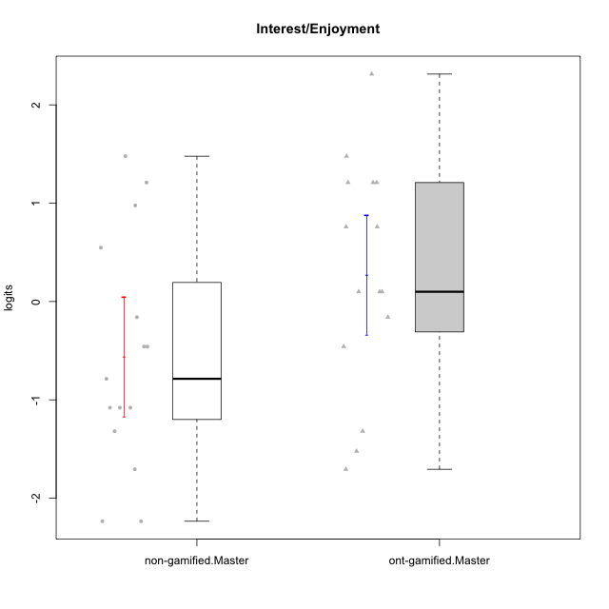

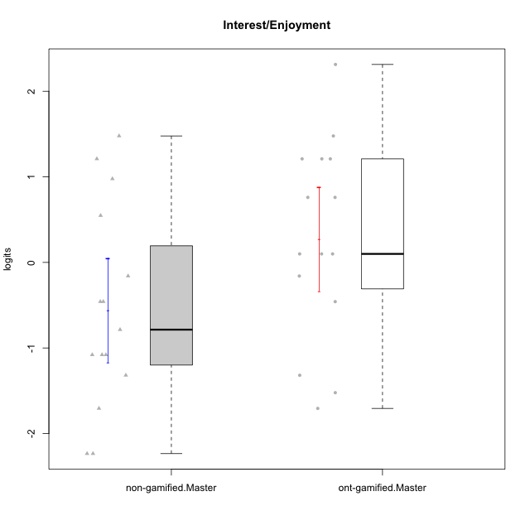

Student's t-Test data
UserID | NroUSP | Type | CLGroup | CLRole | PlayerRole | Interest/Enjoyment | error | WLE.rel
10169 | 10377538 | ont-gamified | Grupo Hefesto | Master | Yee Achiever | 0.75982855023 | 0.48407156191 | 0.826596113
10172 | 10273971 | non-gamified | Grupo Team 1 | Master |  | 0.54760724756 | 0.48118454525 | 0.826596113
10174 | 10276852 | ont-gamified | Grupo Urano | Master | Yee Achiever | 0.099371116318 | 0.49928370005 | 0.826596113
10175 | 10310700 | ont-gamified | Grupo Hélio | Master | Yee Socializer | 1.2102266346 | 0.52241734399 | 0.826596113
10179 | 10310759 | non-gamified | Grupo Team 9 | Master |  | -1.0794969917 | 0.50063805699 | 0.826596113
10181 | 10276866 | non-gamified | Grupo Team 10 | Master |  | -0.45849883119 | 0.53205566779 | 0.826596113
10184 | 10276675 | ont-gamified | Grupo Apolo | Master | Yee Socializer | 0.099371116318 | 0.49928370005 | 0.826596113
10188 | 10276995 | non-gamified | Grupo Team 3 | Master |  | -0.78581249191 | 0.52669787418 | 0.826596113
10189 | 9363926 | ont-gamified | Grupo Hades | Master | Yee Socializer | -1.3190389606 | 0.4735701913 | 0.826596113
10191 | 10276981 | non-gamified | Grupo Team 6 | Master |  | 0.97684984087 | 0.49676010696 | 0.826596113
10193 | 10276762 | ont-gamified | Grupo Afrodite | Master | Yee Achiever | -0.15910373489 | 0.51711124214 | 0.826596113
10199 | 10276737 | ont-gamified | Grupo Gaia | Master | Yee Achiever | -1.522527884 | 0.45384242527 | 0.826596113
10201 | 10276928 | ont-gamified | Grupo Caronte | Master | Yee Achiever | 1.2102266346 | 0.52241734399 | 0.826596113
10204 | 10310471 | ont-gamified | Grupo Hermes | Master | Yee Achiever | 2.3132993964 | 0.82046237198 | 0.826596113
10206 | 10310721 | ont-gamified | Grupo Hera | Master | Yee Achiever | -0.45849883119 | 0.53205566779 | 0.826596113
10211 | 9311643 | non-gamified | Grupo Team 2 | Master |  | 1.4778855198 | 0.56790858818 | 0.826596113
10212 | 9065750 | non-gamified | Grupo Team 4 | Master |  | 1.2102266346 | 0.52241734399 | 0.826596113
10213 | 10277040 | ont-gamified | Grupo Morfeu | Master | Yee Socializer | 1.4778855198 | 0.56790858818 | 0.826596113
10214 | 10277022 | non-gamified | Grupo Team 5 | Master |  | -1.7062677985 | 0.44228308174 | 0.826596113
10215 | 9285227 | ont-gamified | Grupo Zeus | Master | Yee Socializer | 0.099371116318 | 0.49928370005 | 0.826596113
10216 | 10276720 | non-gamified | Grupo Team 15 | Master |  | -0.45849883119 | 0.53205566779 | 0.826596113
10217 | 9805341 | non-gamified | Grupo Team 13 | Master |  | -1.3190389606 | 0.4735701913 | 0.826596113
10218 | 9842913 | ont-gamified | Grupo Ares | Master | Yee Achiever | -1.7062677985 | 0.44228308174 | 0.826596113
10219 | 10276831 | non-gamified | Grupo Team 12 | Master |  | -1.0794969917 | 0.50063805699 | 0.826596113
10223 | 9795185 | ont-gamified | Grupo Cronus | Master | Yee Achiever | 1.2102266346 | 0.52241734399 | 0.826596113
10226 | 10310342 | non-gamified | Grupo Team 8 | Master |  | -1.0794969917 | 0.50063805699 | 0.826596113
10230 | 10351992 | non-gamified | Grupo Team 14 | Master |  | -2.2346256728 | 0.45450238768 | 0.826596113
10232 | 10276974 | ont-gamified | Grupo Artemis | Master | Yee Achiever | 0.75982855023 | 0.48407156191 | 0.826596113
10234 | 10310676 | non-gamified | Grupo Team 7 | Master |  | -2.2346256728 | 0.45450238768 | 0.826596113
10237 | 10377688 | non-gamified | Grupo Team 11 | Master |  | -0.15910373489 | 0.51711124214 | 0.826596113

Type_CLRole_6
Student's t-Test for Interest/Enjoyment in Type:CLRole between ont-gamified.Apprentice:ont-gamified.Master

Student's t-Test results
Alternative hypothesis: less
Group | N | Mean | Mean.Difference | Std.deviation | Std.error | CI.lower | CI.upper | df | t.value | p.value | g | magnitude
ont-gamified.Apprentice | 12 | -0.30094326684 | -0.57255647086 | 0.59715891294 | 0.17238492957 | -0.64571312598 | 0.043826592293 | 21.663126351 | -1.6446106201 | 0.057242399201 | -0.57715660507 | medium
ont-gamified.Master | 15 | 0.27161320401 | 0.57255647086 | 1.1714454399 | 0.30246591198 | -0.33331861994 | 0.87654502797 | 21.663126351 | -1.6446106201 | 0.057242399201 | -0.57715660507 | medium
Alternative hypothesis: greater
Group | N | Mean | Mean.Difference | Std.deviation | Std.error | CI.lower | CI.upper | df | t.value | p.value | g | magnitude
ont-gamified.Apprentice | 12 | -0.30094326684 | -0.57255647086 | 0.59715891294 | 0.17238492957 | -0.64571312598 | 0.043826592293 | 21.663126351 | -1.6446106201 | 0.9427576008 | -0.57715660507 | medium
ont-gamified.Master | 15 | 0.27161320401 | 0.57255647086 | 1.1714454399 | 0.30246591198 | -0.33331861994 | 0.87654502797 | 21.663126351 | -1.6446106201 | 0.9427576008 | -0.57715660507 | medium
Alternative hypothesis: two.sided
Group | N | Mean | Mean.Difference | Std.deviation | Std.error | CI.lower | CI.upper | df | t.value | p.value | g | magnitude
ont-gamified.Apprentice | 12 | -0.30094326684 | -0.57255647086 | 0.59715891294 | 0.17238492957 | -0.64571312598 | 0.043826592293 | 21.663126351 | -1.6446106201 | 0.1144847984 | -0.57715660507 | medium
ont-gamified.Master | 15 | 0.27161320401 | 0.57255647086 | 1.1714454399 | 0.30246591198 | -0.33331861994 | 0.87654502797 | 21.663126351 | -1.6446106201 | 0.1144847984 | -0.57715660507 | medium

Box plots for Student's t-Test
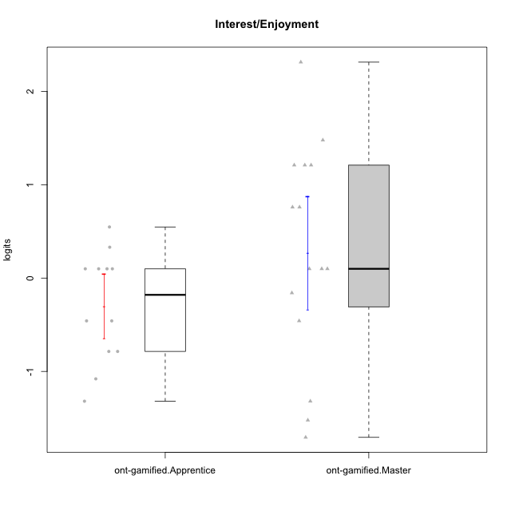

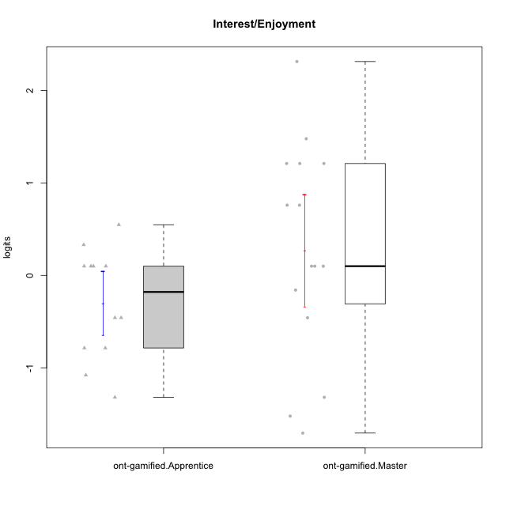

Student's t-Test data
UserID | NroUSP | Type | CLGroup | CLRole | PlayerRole | Interest/Enjoyment | error | WLE.rel
10169 | 10377538 | ont-gamified | Grupo Hefesto | Master | Yee Achiever | 0.75982855023 | 0.48407156191 | 0.826596113
10170 | 10260351 | ont-gamified | Grupo Afrodite | Apprentice | Yee Achiever | 0.099371116318 | 0.49928370005 | 0.826596113
10174 | 10276852 | ont-gamified | Grupo Urano | Master | Yee Achiever | 0.099371116318 | 0.49928370005 | 0.826596113
10175 | 10310700 | ont-gamified | Grupo Hélio | Master | Yee Socializer | 1.2102266346 | 0.52241734399 | 0.826596113
10176 | 10276949 | ont-gamified | Grupo Cronus | Apprentice | Yee Achiever | -0.45849883119 | 0.53205566779 | 0.826596113
10178 | 8656201 | ont-gamified | Grupo Morfeu | Apprentice | Yee Socializer | 0.33074768353 | 0.48658427926 | 0.826596113
10183 | 10352030 | ont-gamified | Grupo Hélio | Apprentice | Yee Socializer | -0.78581249191 | 0.52669787418 | 0.826596113
10184 | 10276675 | ont-gamified | Grupo Apolo | Master | Yee Socializer | 0.099371116318 | 0.49928370005 | 0.826596113
10186 | 10310551 | ont-gamified | Grupo Ares | Apprentice | Yee Achiever | 0.099371116318 | 0.49928370005 | 0.826596113
10189 | 9363926 | ont-gamified | Grupo Hades | Master | Yee Socializer | -1.3190389606 | 0.4735701913 | 0.826596113
10190 | 10276907 | ont-gamified | Grupo Zeus | Apprentice | Yee Socializer | 0.099371116318 | 0.49928370005 | 0.826596113
10193 | 10276762 | ont-gamified | Grupo Afrodite | Master | Yee Achiever | -0.15910373489 | 0.51711124214 | 0.826596113
10195 | 10351971 | ont-gamified | Grupo Urano | Apprentice | Yee Achiever | 0.54760724756 | 0.48118454525 | 0.826596113
10196 | 10310655 | ont-gamified | Grupo Hefesto | Apprentice | Yee Achiever | -0.78581249191 | 0.52669787418 | 0.826596113
10197 | 10276661 | ont-gamified | Grupo Gaia | Apprentice | Yee Achiever | 0.099371116318 | 0.49928370005 | 0.826596113
10199 | 10276737 | ont-gamified | Grupo Gaia | Master | Yee Achiever | -1.522527884 | 0.45384242527 | 0.826596113
10201 | 10276928 | ont-gamified | Grupo Caronte | Master | Yee Achiever | 1.2102266346 | 0.52241734399 | 0.826596113
10204 | 10310471 | ont-gamified | Grupo Hermes | Master | Yee Achiever | 2.3132993964 | 0.82046237198 | 0.826596113
10206 | 10310721 | ont-gamified | Grupo Hera | Master | Yee Achiever | -0.45849883119 | 0.53205566779 | 0.826596113
10209 | 10262669 | ont-gamified | Grupo Artemis | Apprentice | Yee Achiever | -1.3190389606 | 0.4735701913 | 0.826596113
10213 | 10277040 | ont-gamified | Grupo Morfeu | Master | Yee Socializer | 1.4778855198 | 0.56790858818 | 0.826596113
10215 | 9285227 | ont-gamified | Grupo Zeus | Master | Yee Socializer | 0.099371116318 | 0.49928370005 | 0.826596113
10218 | 9842913 | ont-gamified | Grupo Ares | Master | Yee Achiever | -1.7062677985 | 0.44228308174 | 0.826596113
10221 | 9082496 | ont-gamified | Grupo Hermes | Apprentice | Yee Achiever | -0.45849883119 | 0.53205566779 | 0.826596113
10223 | 9795185 | ont-gamified | Grupo Cronus | Master | Yee Achiever | 1.2102266346 | 0.52241734399 | 0.826596113
10232 | 10276974 | ont-gamified | Grupo Artemis | Master | Yee Achiever | 0.75982855023 | 0.48407156191 | 0.826596113
10240 | 10276654 | ont-gamified | Grupo Hera | Apprentice | Yee Achiever | -1.0794969917 | 0.50063805699 | 0.826596113

