Global-info
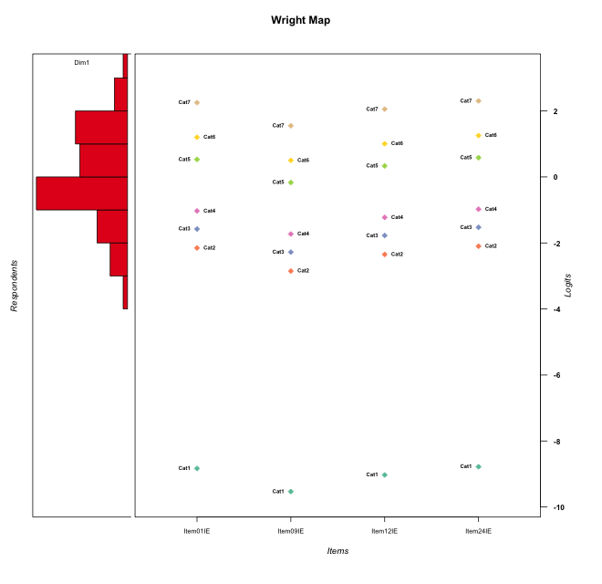
Global information for a measurement model

Information
Number.of.items | Deviance | Log.Likelihood | Number.of.persons | EAP.rel | n.theta.nodes | irt.model
4 | 726.80512001 | -363.40256001 | 60 | 0.86023930982 | 21 | RSM

Global fit statistic MADaQ3 and test fit
MADaQ3 | maxaQ3 | p
0.1930309504 | 0.31678333271 | 0.10063376024

Test statistic of global fit based on Chi square
maxX2 | Npairs | p.holm
471.30211454 | 6 | 0

Model fit statistics
X100.MADCOV | SRMR | SRMSR
13.862515042 | 0.095242167725 | 0.11108339109

Chi square tests for every item pairs
index1 | index2 | maxK1 | maxK2 | df | chi2 | p | p.holm
1 | 2 | 7 | 7 | 49 | 28.923429593 | 0.99006610951 | 1
1 | 3 | 7 | 7 | 49 | 28.510873697 | 0.99154728202 | 1
1 | 4 | 7 | 7 | 49 | 471.30211454 | 0 | 0
2 | 3 | 7 | 7 | 49 | 30.118724513 | 0.98455609265 | 1
2 | 4 | 7 | 7 | 49 | 285.75105117 | 0 | 0
3 | 4 | 7 | 7 | 49 | 264.30582021 | 0 | 0

Item residuals
Item01IE | Item09IE | Item12IE | Item24IE
-1.1935526559 | 0.11303333673 | 0.60366544346 | 0.86115988189
0.46704489754 | -0.23817487715 | 0.2763588236 | -0.48261202397
0.33908068229 | -0.2470917283 | 0.15522559996 | 0.39052703843
1.0316811901 | 0.31613684515 | -0.17079273977 | -0.91442232909
-0.53295510246 | -0.23817487715 | -0.7236411764 | 1.517387976
0.33908068229 | -0.2470917283 | 0.15522559996 | 0.39052703843
0.89298198301 | 0.22671739905 | -0.28958086112 | -1.0576216529
0.25155041502 | -0.46631834914 | 0.053971742069 | 0.3037290937
0.33259223516 | -0.33517738365 | -0.86232187622 | 0.3869970371
0.89298198301 | 0.22671739905 | 0.71041913888 | -2.0576216529
1.1099586982 | -0.5485977188 | -0.07593959705 | -0.83883244244
0.46704489754 | -0.23817487715 | 0.2763588236 | -0.48261202397
0.10995869822 | -0.5485977188 | -0.07593959705 | 0.16116755756
-1.5329551025 | 0.76182512285 | -0.7236411764 | 1.517387976
0.42195988985 | 0.21247036059 | 0.34923430167 | 0.44374346607
0.10995869822 | -0.5485977188 | -0.07593959705 | 0.16116755756
-1.4386222061 | -0.13310168984 | -0.64651830781 | 1.6196386376
-0.53295510246 | -0.23817487715 | 0.2763588236 | 0.51738797603
-1.4248879115 | -0.074717376471 | 0.37828295665 | 1.629142972
-1.8986709138 | 0.59589901859 | 0.93757768381 | 1.1480484196
-0.32021778412 | -0.0051505598979 | 0.49501204703 | -0.27101491546
0.031681190101 | 0.31613684515 | -0.17079273977 | 0.085577670908
0.10995869822 | -0.5485977188 | -0.07593959705 | 0.16116755756
-0.53295510246 | 0.76182512285 | -0.7236411764 | 0.51738797603
0.42195988985 | 0.21247036059 | 0.34923430167 | 0.44374346607
0.79582001185 | 0.061395685779 | 0.5737515794 | -2.1423048299
-0.13491109338 | -0.54647947321 | 0.727917058 | 0.90495556331
-0.66091931771 | 0.7529082717 | 1.1552256 | -0.60947296157
0.10995869822 | -0.5485977188 | -0.07593959705 | 0.16116755756
1.8064473441 | 1.1130333367 | 1.6036654435 | -4.1388401181
-0.3643919713 | 0.3253084536 | 0.52974992728 | 0.66688893447
-0.10701801699 | 1.226717399 | -0.28958086112 | -1.0576216529
0.10132908625 | -0.40410098141 | 0.93757768381 | 0.14804841962
0.56137779385 | -1.1331016898 | -0.64651830781 | 0.61963863757
-0.10701801699 | 0.22671739905 | -0.28958086112 | -0.057621652853
1.1013290862 | 0.59589901859 | -1.0624223162 | 0.14804841962
-0.66091931771 | -0.2470917283 | 0.15522559996 | 1.3905270384
1.1013290862 | -0.40410098141 | -1.0624223162 | 1.1480484196
1.0330184173 | 0.25360217523 | -0.2012650362 | -1.9025610358
-0.53295510246 | 1.7618251228 | -0.7236411764 | -0.48261202397
-0.10701801699 | 2.226717399 | 0.71041913888 | -3.0576216529
-0.43862220615 | 0.86689831016 | 0.35348169219 | -1.3803613624
1.0330184173 | -0.74639782477 | -0.2012650362 | -0.90256103576
0.33259223516 | -0.33517738365 | 0.13767812378 | -0.6130029629
-1.1935526559 | 1.1130333367 | -1.3963345565 | 1.8611598819
-0.10701801699 | 0.22671739905 | -0.28958086112 | -0.057621652853
-0.34427829085 | -0.75532305568 | -0.43272821084 | -0.32351237036
0.33908068229 | -0.2470917283 | 0.15522559996 | 0.39052703843
-0.13491109338 | 0.45352052679 | 0.727917058 | -0.095044436691
-1.6674077648 | -0.33517738365 | 0.13767812378 | 1.3869970371
-1.0651595701 | -0.88606234899 | 0.72036741787 | -0.010967577518
0.10995869822 | -0.5485977188 | 0.92406040295 | -0.83883244244
-1.2802251984 | 0.8743113263 | -1.5119793906 | 0.7797380638
0.42195988985 | 0.21247036059 | 0.34923430167 | 0.44374346607
0.80644734407 | -1.8869666633 | -0.39633455654 | 1.8611598819
-0.73229400729 | 0.44882215229 | -0.97366068658 | 0.3329057234
-0.2802251984 | -0.1256886737 | -0.5119793906 | -0.2202619362
1.6797822159 | -0.0051505598979 | -0.50498795297 | -1.2710149155
0.33259223516 | -1.3351773837 | 0.13767812378 | 0.3869970371
0.33259223516 | -1.3351773837 | 0.13767812378 | 0.3869970371

Wright Map for Item Response Models

Estimate-Items
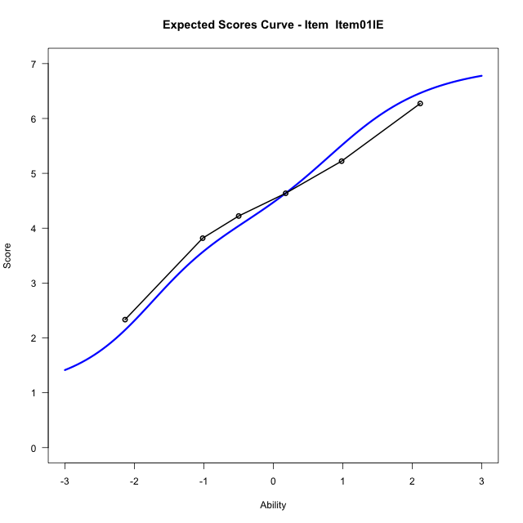
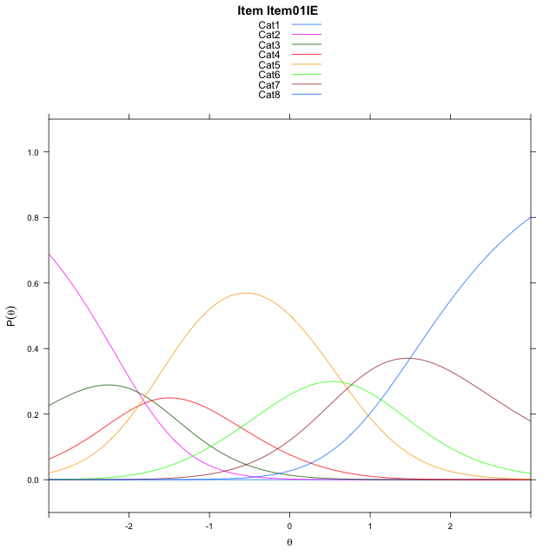
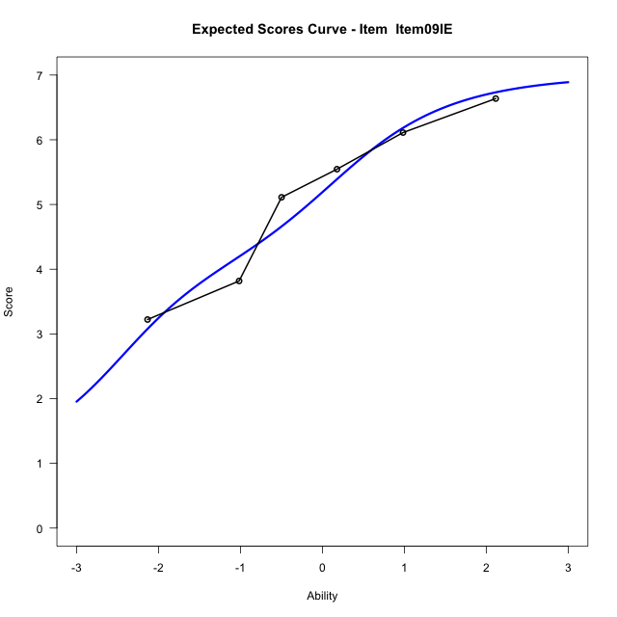
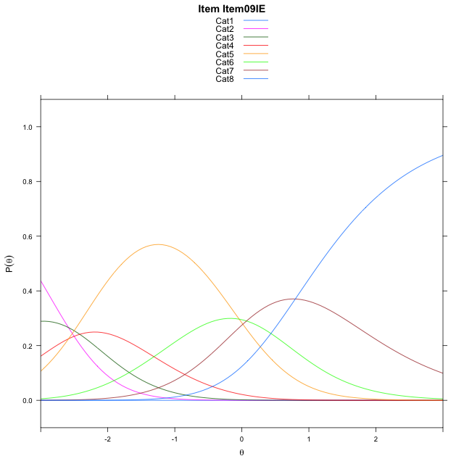
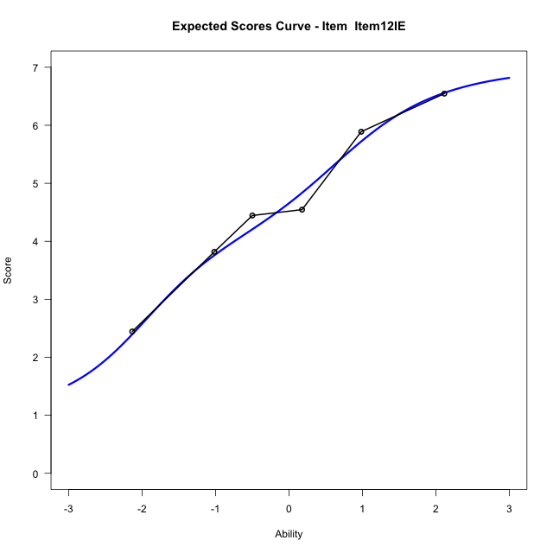
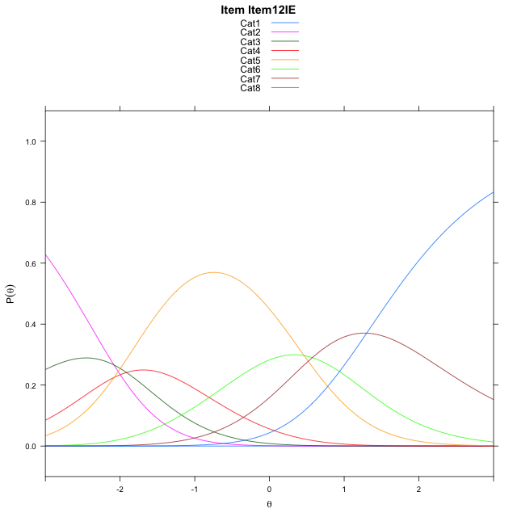
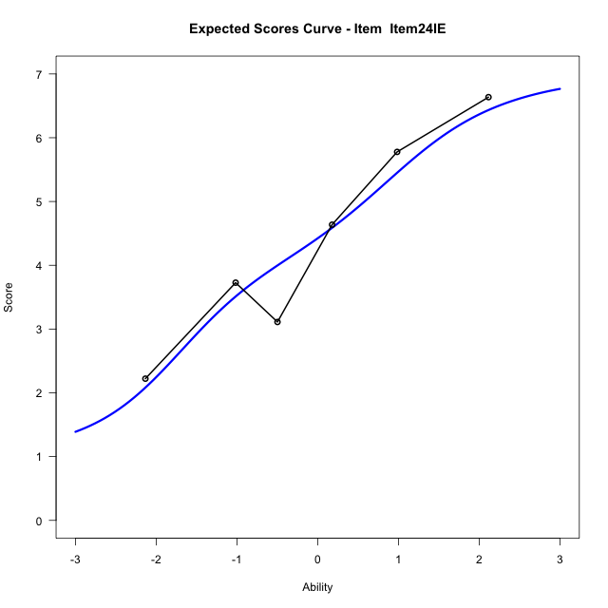
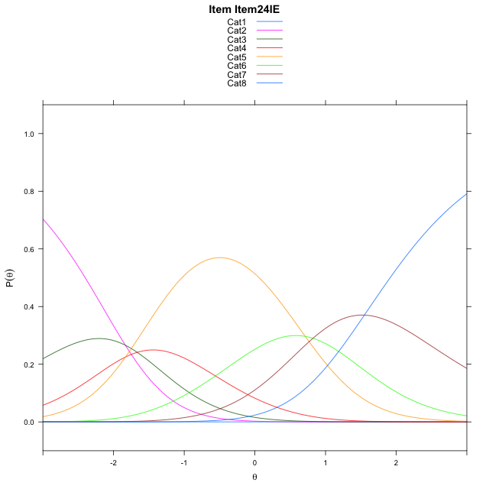
Estimate items information for the measurement model

Full Item Information
item | N | M | xsi.item | AXsi_.Cat1 | AXsi_.Cat2 | AXsi_.Cat3 | AXsi_.Cat4 | AXsi_.Cat5 | AXsi_.Cat6 | AXsi_.Cat7 | B.Cat1.Dim1 | B.Cat2.Dim1 | B.Cat3.Dim1 | B.Cat4.Dim1 | B.Cat5.Dim1 | B.Cat6.Dim1 | B.Cat7.Dim1
Item01IE | 60 | 4.4666666667 | -1.7002723032 | -9.3414092549 | -11.227408794 | -12.945481053 | -14.828823743 | -14.168589991 | -13.398704331 | -11.901906123 | 1 | 2 | 3 | 4 | 5 | 6 | 7
Item09IE | 60 | 5.1 | -2.4003031618 | -10.041440113 | -12.627470511 | -15.045573629 | -17.628947177 | -17.668744283 | -17.598889483 | -16.802122133 | 1 | 2 | 3 | 4 | 5 | 6 | 7
Item12IE | 60 | 4.65 | -1.8962226912 | -9.5373596428 | -11.61930957 | -13.533332217 | -15.612625295 | -15.14834193 | -14.574406659 | -13.273558838 | 1 | 2 | 3 | 4 | 5 | 6 | 7
Item24IE | 60 | 4.4166666667 | -1.6475087601 | -9.2886457117 | -11.121881708 | -12.787190424 | -14.61776957 | -13.904772275 | -13.082123072 | -11.532561321 | 1 | 2 | 3 | 4 | 5 | 6 | 7

Thurstonian Thresholds (category-wise)
 | Cat1 | Cat2 | Cat3 | Cat4 | Cat5 | Cat6 | Cat7
Item01IE | -9.3434143066 | -2.4524230957 | -1.8238220215 | -1.3140563965 | 0.23226928711 | 0.92221069336 | 1.861541748
Item09IE | -10.043426514 | -3.1524353027 | -2.5238342285 | -2.0140686035 | -0.46792602539 | 0.22219848633 | 1.161529541
Item12IE | -9.5397033691 | -2.6487121582 | -2.0199279785 | -1.5101623535 | 0.035980224609 | 0.72610473633 | 1.6652526855
Item24IE | -9.2908630371 | -2.3998718262 | -1.771270752 | -1.261505127 | 0.28463745117 | 0.97476196289 | 1.9140930176

Thurstonian Thresholds (item-wise)
 | Threshold
Item01IE | -1.0622570106
Item09IE | -1.7750952276
Item12IE | -1.2645339767
Item24IE | -1.0047855993

Item Infit/Outfit Statistic
parameter | Outfit | Outfit_t | Outfit_p | Outfit_pholm | Infit | Infit_t | Infit_p | Infit_pholm
Item01IE | 0.91004697078 | -0.41457941182 | 0.67844982236 | 1 | 0.90955872413 | -0.45941436012 | 0.64593663804 | 0.64593663804
Item09IE | 0.81235230583 | -0.88024404573 | 0.37872711736 | 1 | 0.81657057703 | -0.99711922069 | 0.31870664446 | 0.63741328892
Item12IE | 0.6369564492 | -1.9906829628 | 0.046515752927 | 0.29425552483 | 0.62829110519 | -2.2448374024 | 0.024778572696 | 0.074335718087
Item24IE | 1.52993166 | 2.2934735977 | 0.021820753702 | 0.17456602961 | 1.5868651677 | 2.7201827867 | 0.0065245838978 | 0.026098335591
Cat1 | 1.402656195 | 2.0331585866 | 0.042036503547 | 0.29425552483 | 1.5793552409 | 4.108976756 | 3.97416069E-05 | 0.0002384496414
Cat2 | 1.8420878926 | 0.96734667611 | 0.33337075736 | 1 | 1.7781506735 | 5.848595362 | 4.9574140317E-09 | 3.9659312254E-08
Cat3 | 1.5506965111 | 0.87102895058 | 0.38373834589 | 1 | 1.5298836539 | 4.6263760276 | 3.7211943462E-06 | 2.6048360424E-05
Cat4 | 1.3239391821 | 0.7288342935 | 0.46610303142 | 1 | 1.3481422354 | 4.0044354373 | 6.2165765778E-05 | 0.00031082882889
Cat5 | 1.4278410931 | 2.6555238191 | 0.0079185341103 | 0.071266806993 | 1.5831922876 | 9.0745028987 | 1.1419757911E-19 | 1.1419757911E-18
Cat6 | 1.2357870211 | 32.622485212 | 1.9686053888E-233 | 1.9686053888E-232 | 1.7801874324 | 6.4227405954 | 1.3384246667E-10 | 1.2045822E-09

Box plot of expected curves

