Assumptions
ANOVA assumptions for Intrinsic Motivation

Shapiro-Wilk normality test for Intrinsic Motivation
W | p.value
0.96913532305 | 0.41993689591

Plots for normality test
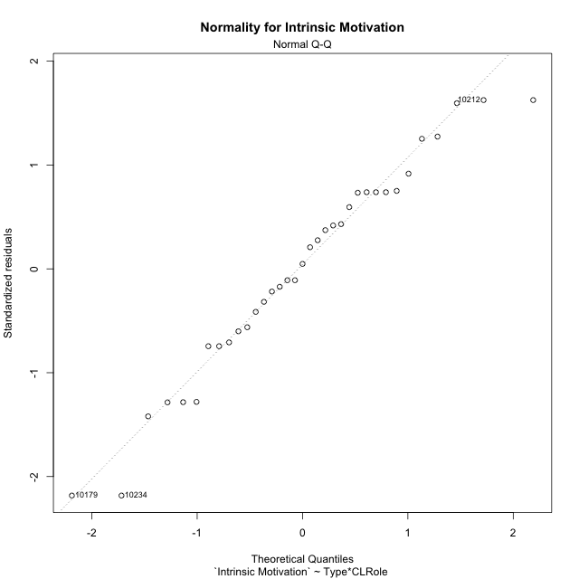

Levene's Test for Homogeneity of Variance in Intrinsic Motivation
Df | F value | Pr(>F)
3 | 2.3346555232 | 0.093133674775
31

Plots for homogeneity of variance
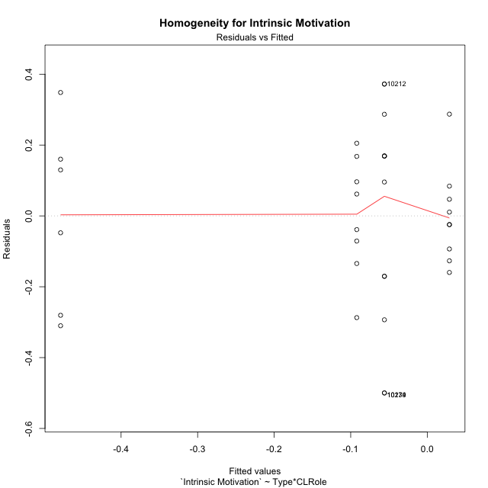

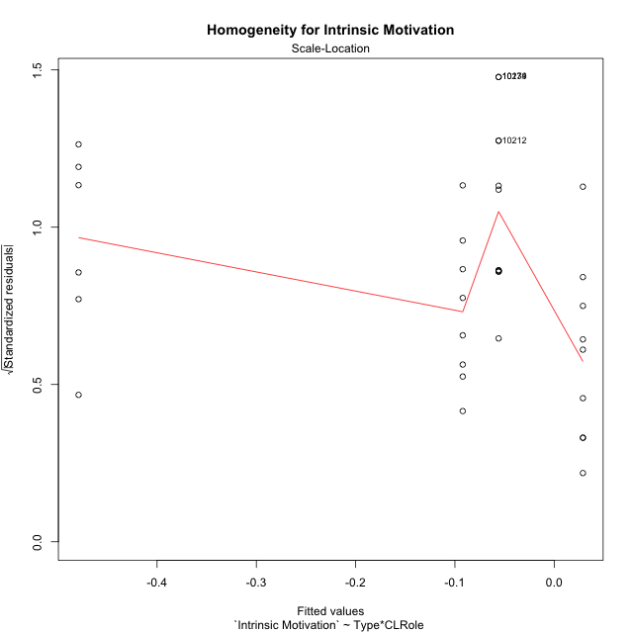

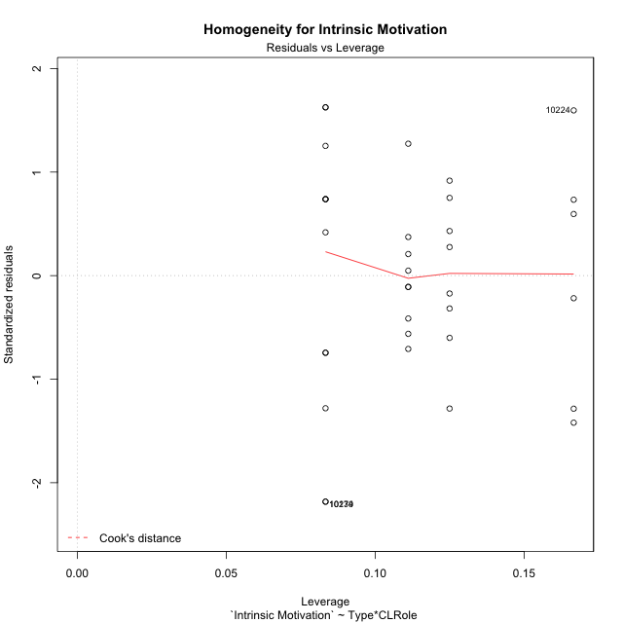

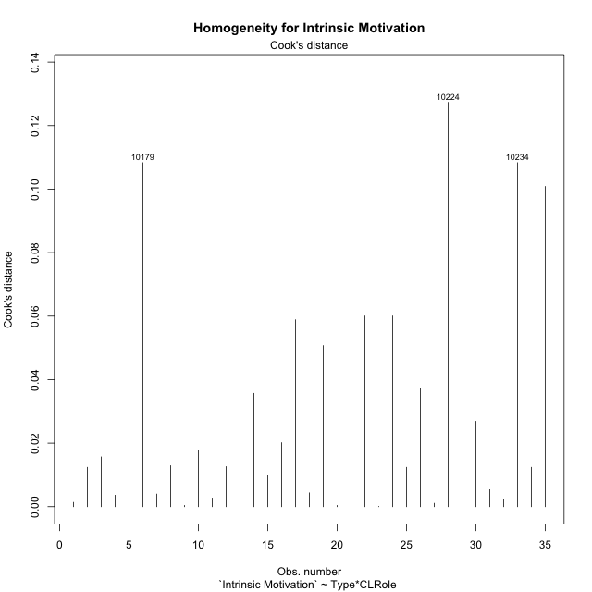

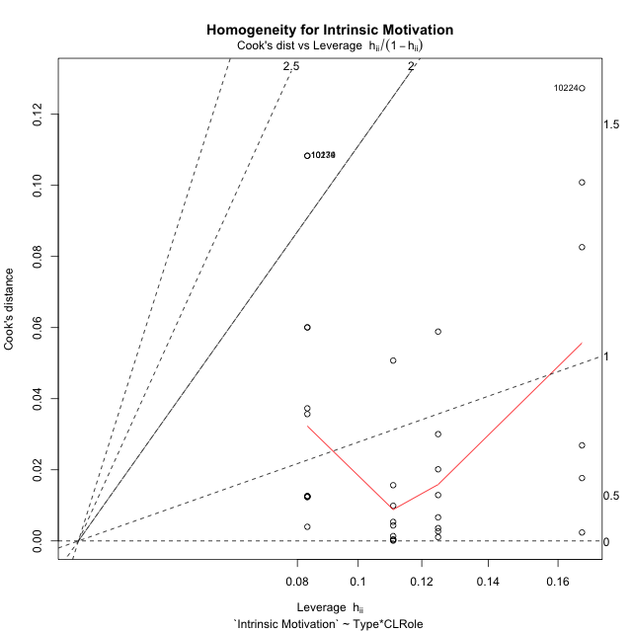

Minimum Sample Size Test for Intrinsic Motivation
Type | CLRole | Freq
non-gamified | Apprentice | 6
ont-gamified | Apprentice | 8
non-gamified | Master | 12
ont-gamified | Master | 9

Errors and Warnings in Sample Size Test for ANOVA in Intrinsic Motivation
code | description
WARN: sample.size | current.size is = 6 and recommended.size must be = 15 for the group: 'non-gamified:Apprentice'. Size sample for parametric test isn't recomended
WARN: sample.size | current.size is = 8 and recommended.size must be = 15 for the group: 'ont-gamified:Apprentice'. Size sample for parametric test isn't recomended
WARN: sample.size | current.size is = 12 and recommended.size must be = 15 for the group: 'non-gamified:Master'. Size sample for parametric test isn't recomended
WARN: sample.size | current.size is = 9 and recommended.size must be = 15 for the group: 'ont-gamified:Master'. Size sample for parametric test isn't recomended

For the group: 'non-gamified:Apprentice', we recommend the use of non parametric test. For the group: 'ont-gamified:Apprentice', we recommend the use of non parametric test. For the group: 'non-gamified:Master', we recommend the use of non parametric test. For the group: 'ont-gamified:Master', we recommend the use of non parametric test.

If you don't want to remove non-normal data, you must cite the following references: ... (1) Lix, L.M., J.C. Keselman, and H.J. Keselman. 1996. Consequences of assumption violations revisited: A quantitative review of alternatives to the one-way analysis of variance F test. Rev. Educ. Res. 66: 579-619. ... (2) Harwell, M.R., E.N. Rubinstein, W.S. Hayes, and C.C. Olds. 1992. Summarizing Monte Carlo results in methodological research: the one- and two-factor fixed effects ANOVA cases. J. Educ. Stat. 17: 315-339.

Post-hoc
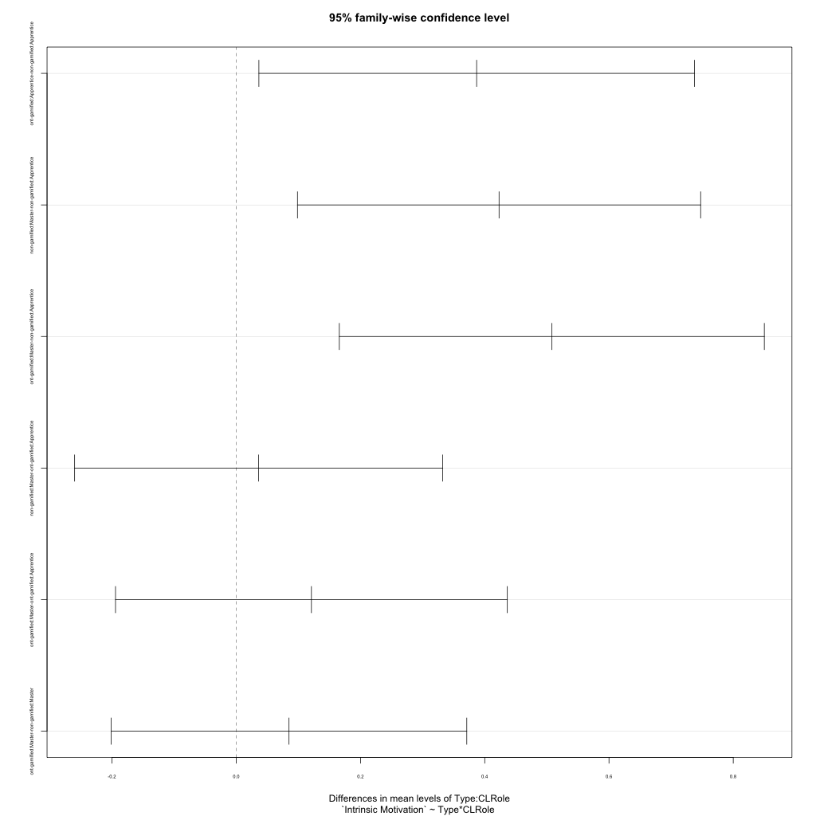
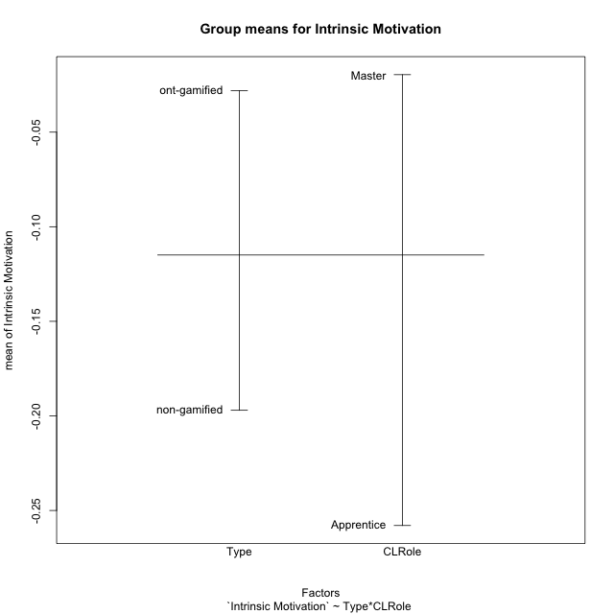
Post-hoc Tukey Honestly Significant Difference (HSD) Test for Intrinsic Motivation

Comparisons of means for Type
 | diff | lwr | upr | p adj
ont-gamified-non-gamified | 0.16899528594 | 0.0040555637418 | 0.33393500814 | 0.044946496064

Comparisons of means for CLRole
 | diff | lwr | upr | p adj
Master-Apprentice | 0.26247343344 | 0.094201259 | 0.43074560788 | 0.0033225880489

Comparisons of means for Type:CLRole
 | diff | lwr | upr | p adj
ont-gamified:Apprentice-non-gamified:Apprentice | 0.38695798095 | 0.036456271452 | 0.73745969045 | 0.026018415596
non-gamified:Master-non-gamified:Apprentice | 0.42305125725 | 0.098549729592 | 0.74755278491 | 0.006725271399
ont-gamified:Master-non-gamified:Apprentice | 0.50798188099 | 0.16592723712 | 0.85003652485 | 0.001813309127
non-gamified:Master-ont-gamified:Apprentice | 0.0360932763 | -0.26013473477 | 0.33232128737 | 0.98728113874
ont-gamified:Master-ont-gamified:Apprentice | 0.12102390004 | -0.19433489956 | 0.43638269963 | 0.72664827127
ont-gamified:Master-non-gamified:Master | 0.084930623736 | -0.20125282368 | 0.37111407115 | 0.85135690206

Contrast Matrices for Intrinsic Motivation - Type
contrast | estimate | SE | df | t.ratio | p.value
non-gamified - ont-gamified | -0.23594430234 | 0.083361045949 | 31 | -2.8303903779 | 0.0080881676619

Contrast Matrices for Intrinsic Motivation - Type:CLRole
contrast | CLRole | estimate | SE | df | t.ratio | p.value
non-gamified - ont-gamified | Apprentice | -0.38695798095 | 0.12914237707 | 31 | -2.9963671857 | 0.0053376572827
non-gamified - ont-gamified | Master | -0.084930623736 | 0.10544430933 | 31 | -0.80545478721 | 0.42669252434

Least Squares Means and Confidence Intervals for Type
Type | lsmean | SE | df | lower.CL | upper.CL | Pairs
non-gamified | -0.26753816964 | 0.059781304213 | 31 | -0.38946294342 | -0.14561339585 | non-gamified
ont-gamified | -0.031593867294 | 0.058096984846 | 31 | -0.15008344908 | 0.086895714496 | ont-gamified

Least Squares Means and Confidence Intervals for Type:CLRole
Type | CLRole | lsmean | SE | df | lower.CL | upper.CL | Pairs
non-gamified | Apprentice | -0.47906379826 | 0.097622460987 | 31 | -0.67816612011 | -0.27996147641 | non-gamified.Apprentice
ont-gamified | Apprentice | -0.092105817312 | 0.084543531195 | 31 | -0.26453348599 | 0.080321851366 | ont-gamified.Apprentice
non-gamified | Master | -0.056012541012 | 0.06902950416 | 31 | -0.19679914294 | 0.084774060921 | non-gamified.Master
ont-gamified | Master | 0.028918082724 | 0.079708405618 | 31 | -0.13364828232 | 0.19148444777 | ont-gamified.Master

Plots

Type_1
Student's t-Test for Intrinsic Motivation in Type between non-gamified:ont-gamified

Student's t-Test results
Alternative hypothesis: less
Group | N | Mean | Mean.Difference | Std.deviation | Std.error | CI.lower | CI.upper | df | t.value | p.value | g | magnitude
non-gamified | 18 | -0.19702962676 | -0.16899528594 | 0.35601344762 | 0.083913174336 | -0.36485597543 | -0.029203278089 | 23.678734652 | -1.8333595668 | 0.03967558971 | -0.59395703219 | medium
ont-gamified | 17 | -0.028034340822 | 0.16899528594 | 0.15729253817 | 0.03814904406 | -0.10433242894 | 0.048263747297 | 23.678734652 | -1.8333595668 | 0.03967558971 | -0.59395703219 | medium
Alternative hypothesis: greater
Group | N | Mean | Mean.Difference | Std.deviation | Std.error | CI.lower | CI.upper | df | t.value | p.value | g | magnitude
non-gamified | 18 | -0.19702962676 | -0.16899528594 | 0.35601344762 | 0.083913174336 | -0.36485597543 | -0.029203278089 | 23.678734652 | -1.8333595668 | 0.96032441029 | -0.59395703219 | medium
ont-gamified | 17 | -0.028034340822 | 0.16899528594 | 0.15729253817 | 0.03814904406 | -0.10433242894 | 0.048263747297 | 23.678734652 | -1.8333595668 | 0.96032441029 | -0.59395703219 | medium
Alternative hypothesis: two.sided
Group | N | Mean | Mean.Difference | Std.deviation | Std.error | CI.lower | CI.upper | df | t.value | p.value | g | magnitude
non-gamified | 18 | -0.19702962676 | -0.16899528594 | 0.35601344762 | 0.083913174336 | -0.36485597543 | -0.029203278089 | 23.678734652 | -1.8333595668 | 0.07935117942 | -0.59395703219 | medium
ont-gamified | 17 | -0.028034340822 | 0.16899528594 | 0.15729253817 | 0.03814904406 | -0.10433242894 | 0.048263747297 | 23.678734652 | -1.8333595668 | 0.07935117942 | -0.59395703219 | medium

Box plots for Student's t-Test
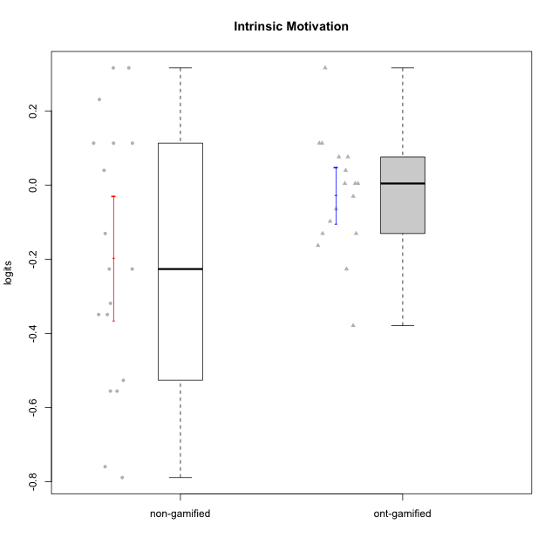

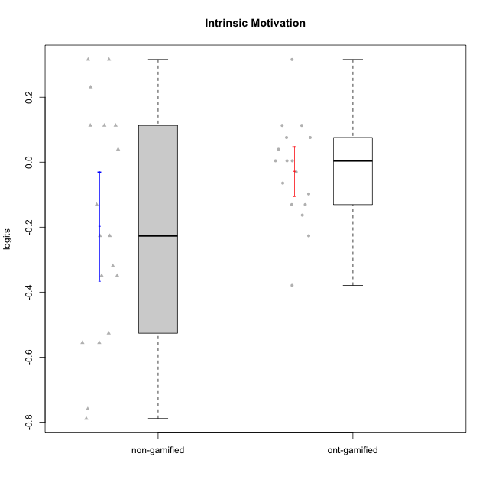

Student's t-Test data
UserID | NroUSP | Type | CLGroup | CLRole | PlayerRole | Intrinsic Motivation | error | WLE.rel
10169 | 10377538 | ont-gamified | Grupo Hefesto | Master | Yee Achiever | 0.075895393129 | 0.19327228634 | 0.84653748942
10172 | 10273971 | non-gamified | Grupo Team 1 | Master |  | 0.11300962036 | 0.19580810927 | 0.84653748942
10174 | 10276852 | ont-gamified | Grupo Urano | Master | Yee Achiever | -0.13071739959 | 0.18205300053 | 0.84653748942
10176 | 10276949 | ont-gamified | Grupo Cronus | Apprentice | Yee Achiever | -0.16309304521 | 0.18070079961 | 0.84653748942
10178 | 8656201 | ont-gamified | Grupo Morfeu | Apprentice | Yee Socializer | 0.0042670371176 | 0.18884772492 | 0.84653748942
10179 | 10310759 | non-gamified | Grupo Team 9 | Master |  | -0.5558103052 | 0.17188551339 | 0.84653748942
10181 | 10276866 | non-gamified | Grupo Team 10 | Master |  | 0.039677113359 | 0.19095988862 | 0.84653748942
10183 | 10352030 | ont-gamified | Grupo Hélio | Apprentice | Yee Socializer | -0.22653598656 | 0.17834262852 | 0.84653748942
10184 | 10276675 | ont-gamified | Grupo Apolo | Master | Yee Socializer | 0.0042670371176 | 0.18884772492 | 0.84653748942
10185 | 10276960 | non-gamified | Grupo Team 12 | Apprentice |  | -0.34925453258 | 0.17482728664 | 0.84653748942
10186 | 10310551 | ont-gamified | Grupo Ares | Apprentice | Yee Achiever | -0.03041228851 | 0.18691642336 | 0.84653748942
10188 | 10276995 | non-gamified | Grupo Team 3 | Master |  | -0.22653598656 | 0.17834262852 | 0.84653748942
10190 | 10276907 | ont-gamified | Grupo Zeus | Apprentice | Yee Socializer | 0.11300962036 | 0.19580810927 | 0.84653748942
10191 | 10276981 | non-gamified | Grupo Team 6 | Master |  | 0.23081114016 | 0.20504918991 | 0.84653748942
10193 | 10276762 | ont-gamified | Grupo Afrodite | Master | Yee Achiever | -0.097846227153 | 0.18353233699 | 0.84653748942
10195 | 10351971 | ont-gamified | Grupo Urano | Apprentice | Yee Achiever | 0.075895393129 | 0.19327228634 | 0.84653748942
10196 | 10310655 | ont-gamified | Grupo Hefesto | Apprentice | Yee Achiever | -0.37925986924 | 0.17417059518 | 0.84653748942
10199 | 10276737 | ont-gamified | Grupo Gaia | Master | Yee Achiever | 0.11300962036 | 0.19580810927 | 0.84653748942
10201 | 10276928 | ont-gamified | Grupo Caronte | Master | Yee Achiever | 0.31613975467 | 0.21297456207 | 0.84653748942
10206 | 10310721 | ont-gamified | Grupo Hera | Master | Yee Achiever | 0.0042670371176 | 0.18884772492 | 0.84653748942
10211 | 9311643 | non-gamified | Grupo Team 2 | Master |  | -0.22653598656 | 0.17834262852 | 0.84653748942
10212 | 9065750 | non-gamified | Grupo Team 4 | Master |  | 0.31613975467 | 0.21297456207 | 0.84653748942
10213 | 10277040 | ont-gamified | Grupo Morfeu | Master | Yee Socializer | 0.039677113359 | 0.19095988862 | 0.84653748942
10216 | 10276720 | non-gamified | Grupo Team 15 | Master |  | 0.31613975467 | 0.21297456207 | 0.84653748942
10217 | 9805341 | non-gamified | Grupo Team 13 | Master |  | 0.11300962036 | 0.19580810927 | 0.84653748942
10219 | 10276831 | non-gamified | Grupo Team 12 | Master |  | -0.34925453258 | 0.17482728664 | 0.84653748942
10221 | 9082496 | ont-gamified | Grupo Hermes | Apprentice | Yee Achiever | -0.13071739959 | 0.18205300053 | 0.84653748942
10224 | 9368772 | non-gamified | Grupo Team 10 | Apprentice |  | -0.13071739959 | 0.18205300053 | 0.84653748942
10227 | 9274382 | non-gamified | Grupo Team 4 | Apprentice |  | -0.75966029281 | 0.17264849546 | 0.84653748942
10228 | 10310492 | non-gamified | Grupo Team 14 | Apprentice |  | -0.31901026856 | 0.17556896492 | 0.84653748942
10232 | 10276974 | ont-gamified | Grupo Artemis | Master | Yee Achiever | -0.064429584498 | 0.18514938452 | 0.84653748942
10233 | 9805320 | non-gamified | Grupo Team 16 | Apprentice |  | -0.52666941185 | 0.1720768362 | 0.84653748942
10234 | 10310676 | non-gamified | Grupo Team 7 | Master |  | -0.5558103052 | 0.17188551339 | 0.84653748942
10237 | 10377688 | non-gamified | Grupo Team 11 | Master |  | 0.11300962036 | 0.19580810927 | 0.84653748942
10238 | 10276953 | non-gamified | Grupo Team 13 | Apprentice |  | -0.78907088418 | 0.17307017978 | 0.84653748942

Type_CLRole_1
Student's t-Test for Intrinsic Motivation in Type:CLRole between non-gamified.Apprentice:non-gamified.Master

Student's t-Test results
Alternative hypothesis: less
Group | N | Mean | Mean.Difference | Std.deviation | Std.error | CI.lower | CI.upper | df | t.value | p.value | g | magnitude
non-gamified.Apprentice | 6 | -0.47906379826 | -0.42305125725 | 0.26111984674 | 0.10660173104 | -0.69226726034 | -0.26586033618 | 12.060670383 | -3.0155617996 | 0.0053485710295 | -1.3435866657 | large
non-gamified.Master | 12 | -0.056012541012 | 0.42305125725 | 0.31592108282 | 0.091198561103 | -0.23840966322 | 0.1263845812 | 12.060670383 | -3.0155617996 | 0.0053485710295 | -1.3435866657 | large
Alternative hypothesis: greater
Group | N | Mean | Mean.Difference | Std.deviation | Std.error | CI.lower | CI.upper | df | t.value | p.value | g | magnitude
non-gamified.Apprentice | 6 | -0.47906379826 | -0.42305125725 | 0.26111984674 | 0.10660173104 | -0.69226726034 | -0.26586033618 | 12.060670383 | -3.0155617996 | 0.99465142897 | -1.3435866657 | large
non-gamified.Master | 12 | -0.056012541012 | 0.42305125725 | 0.31592108282 | 0.091198561103 | -0.23840966322 | 0.1263845812 | 12.060670383 | -3.0155617996 | 0.99465142897 | -1.3435866657 | large
Alternative hypothesis: two.sided
Group | N | Mean | Mean.Difference | Std.deviation | Std.error | CI.lower | CI.upper | df | t.value | p.value | g | magnitude
non-gamified.Apprentice | 6 | -0.47906379826 | -0.42305125725 | 0.26111984674 | 0.10660173104 | -0.69226726034 | -0.26586033618 | 12.060670383 | -3.0155617996 | 0.010697142059 | -1.3435866657 | large
non-gamified.Master | 12 | -0.056012541012 | 0.42305125725 | 0.31592108282 | 0.091198561103 | -0.23840966322 | 0.1263845812 | 12.060670383 | -3.0155617996 | 0.010697142059 | -1.3435866657 | large

Box plots for Student's t-Test
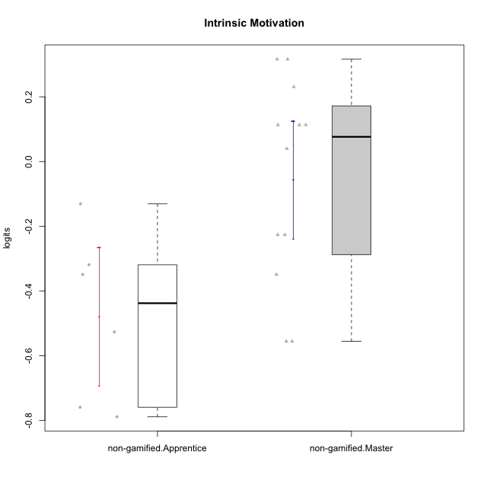

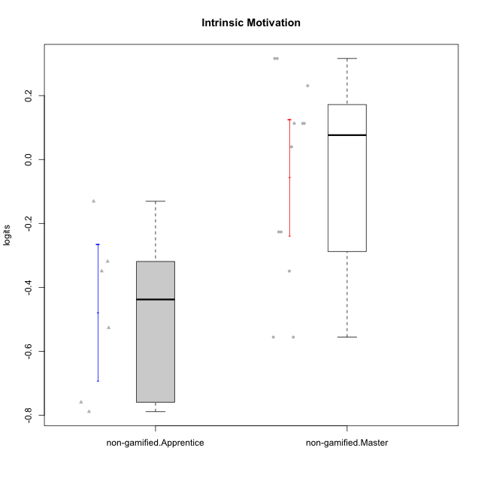

Student's t-Test data
UserID | NroUSP | Type | CLGroup | CLRole | PlayerRole | Intrinsic Motivation | error | WLE.rel
10172 | 10273971 | non-gamified | Grupo Team 1 | Master |  | 0.11300962036 | 0.19580810927 | 0.84653748942
10179 | 10310759 | non-gamified | Grupo Team 9 | Master |  | -0.5558103052 | 0.17188551339 | 0.84653748942
10181 | 10276866 | non-gamified | Grupo Team 10 | Master |  | 0.039677113359 | 0.19095988862 | 0.84653748942
10185 | 10276960 | non-gamified | Grupo Team 12 | Apprentice |  | -0.34925453258 | 0.17482728664 | 0.84653748942
10188 | 10276995 | non-gamified | Grupo Team 3 | Master |  | -0.22653598656 | 0.17834262852 | 0.84653748942
10191 | 10276981 | non-gamified | Grupo Team 6 | Master |  | 0.23081114016 | 0.20504918991 | 0.84653748942
10211 | 9311643 | non-gamified | Grupo Team 2 | Master |  | -0.22653598656 | 0.17834262852 | 0.84653748942
10212 | 9065750 | non-gamified | Grupo Team 4 | Master |  | 0.31613975467 | 0.21297456207 | 0.84653748942
10216 | 10276720 | non-gamified | Grupo Team 15 | Master |  | 0.31613975467 | 0.21297456207 | 0.84653748942
10217 | 9805341 | non-gamified | Grupo Team 13 | Master |  | 0.11300962036 | 0.19580810927 | 0.84653748942
10219 | 10276831 | non-gamified | Grupo Team 12 | Master |  | -0.34925453258 | 0.17482728664 | 0.84653748942
10224 | 9368772 | non-gamified | Grupo Team 10 | Apprentice |  | -0.13071739959 | 0.18205300053 | 0.84653748942
10227 | 9274382 | non-gamified | Grupo Team 4 | Apprentice |  | -0.75966029281 | 0.17264849546 | 0.84653748942
10228 | 10310492 | non-gamified | Grupo Team 14 | Apprentice |  | -0.31901026856 | 0.17556896492 | 0.84653748942
10233 | 9805320 | non-gamified | Grupo Team 16 | Apprentice |  | -0.52666941185 | 0.1720768362 | 0.84653748942
10234 | 10310676 | non-gamified | Grupo Team 7 | Master |  | -0.5558103052 | 0.17188551339 | 0.84653748942
10237 | 10377688 | non-gamified | Grupo Team 11 | Master |  | 0.11300962036 | 0.19580810927 | 0.84653748942
10238 | 10276953 | non-gamified | Grupo Team 13 | Apprentice |  | -0.78907088418 | 0.17307017978 | 0.84653748942

Type_CLRole_2
Student's t-Test for Intrinsic Motivation in Type:CLRole between non-gamified.Apprentice:ont-gamified.Apprentice

Student's t-Test results
Alternative hypothesis: less
Group | N | Mean | Mean.Difference | Std.deviation | Std.error | CI.lower | CI.upper | df | t.value | p.value | g | magnitude
non-gamified.Apprentice | 6 | -0.47906379826 | -0.38695798095 | 0.26111984674 | 0.10660173104 | -0.69226726034 | -0.26586033618 | 7.9330132955 | -3.1845628575 | 0.0065251942779 | -1.7215189056 | large
ont-gamified.Apprentice | 8 | -0.092105817312 | 0.38695798095 | 0.16494567452 | 0.058317102491 | -0.20874002229 | 0.02452838767 | 7.9330132955 | -3.1845628575 | 0.0065251942779 | -1.7215189056 | large
Alternative hypothesis: greater
Group | N | Mean | Mean.Difference | Std.deviation | Std.error | CI.lower | CI.upper | df | t.value | p.value | g | magnitude
non-gamified.Apprentice | 6 | -0.47906379826 | -0.38695798095 | 0.26111984674 | 0.10660173104 | -0.69226726034 | -0.26586033618 | 7.9330132955 | -3.1845628575 | 0.99347480572 | -1.7215189056 | large
ont-gamified.Apprentice | 8 | -0.092105817312 | 0.38695798095 | 0.16494567452 | 0.058317102491 | -0.20874002229 | 0.02452838767 | 7.9330132955 | -3.1845628575 | 0.99347480572 | -1.7215189056 | large
Alternative hypothesis: two.sided
Group | N | Mean | Mean.Difference | Std.deviation | Std.error | CI.lower | CI.upper | df | t.value | p.value | g | magnitude
non-gamified.Apprentice | 6 | -0.47906379826 | -0.38695798095 | 0.26111984674 | 0.10660173104 | -0.69226726034 | -0.26586033618 | 7.9330132955 | -3.1845628575 | 0.013050388556 | -1.7215189056 | large
ont-gamified.Apprentice | 8 | -0.092105817312 | 0.38695798095 | 0.16494567452 | 0.058317102491 | -0.20874002229 | 0.02452838767 | 7.9330132955 | -3.1845628575 | 0.013050388556 | -1.7215189056 | large

Box plots for Student's t-Test
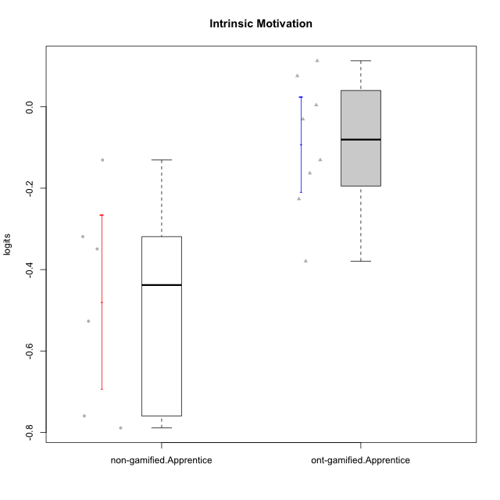

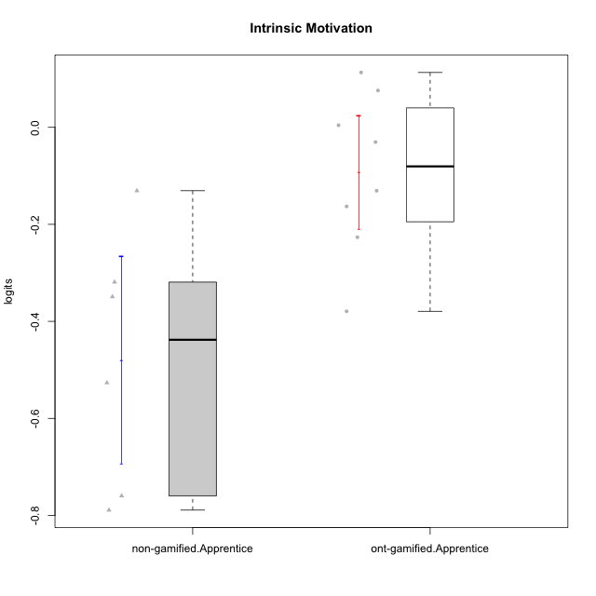

Student's t-Test data
UserID | NroUSP | Type | CLGroup | CLRole | PlayerRole | Intrinsic Motivation | error | WLE.rel
10176 | 10276949 | ont-gamified | Grupo Cronus | Apprentice | Yee Achiever | -0.16309304521 | 0.18070079961 | 0.84653748942
10178 | 8656201 | ont-gamified | Grupo Morfeu | Apprentice | Yee Socializer | 0.0042670371176 | 0.18884772492 | 0.84653748942
10183 | 10352030 | ont-gamified | Grupo Hélio | Apprentice | Yee Socializer | -0.22653598656 | 0.17834262852 | 0.84653748942
10185 | 10276960 | non-gamified | Grupo Team 12 | Apprentice |  | -0.34925453258 | 0.17482728664 | 0.84653748942
10186 | 10310551 | ont-gamified | Grupo Ares | Apprentice | Yee Achiever | -0.03041228851 | 0.18691642336 | 0.84653748942
10190 | 10276907 | ont-gamified | Grupo Zeus | Apprentice | Yee Socializer | 0.11300962036 | 0.19580810927 | 0.84653748942
10195 | 10351971 | ont-gamified | Grupo Urano | Apprentice | Yee Achiever | 0.075895393129 | 0.19327228634 | 0.84653748942
10196 | 10310655 | ont-gamified | Grupo Hefesto | Apprentice | Yee Achiever | -0.37925986924 | 0.17417059518 | 0.84653748942
10221 | 9082496 | ont-gamified | Grupo Hermes | Apprentice | Yee Achiever | -0.13071739959 | 0.18205300053 | 0.84653748942
10224 | 9368772 | non-gamified | Grupo Team 10 | Apprentice |  | -0.13071739959 | 0.18205300053 | 0.84653748942
10227 | 9274382 | non-gamified | Grupo Team 4 | Apprentice |  | -0.75966029281 | 0.17264849546 | 0.84653748942
10228 | 10310492 | non-gamified | Grupo Team 14 | Apprentice |  | -0.31901026856 | 0.17556896492 | 0.84653748942
10233 | 9805320 | non-gamified | Grupo Team 16 | Apprentice |  | -0.52666941185 | 0.1720768362 | 0.84653748942
10238 | 10276953 | non-gamified | Grupo Team 13 | Apprentice |  | -0.78907088418 | 0.17307017978 | 0.84653748942

Type_CLRole_3
Student's t-Test for Intrinsic Motivation in Type:CLRole between non-gamified.Apprentice:ont-gamified.Master

Student's t-Test results
Alternative hypothesis: less
Group | N | Mean | Mean.Difference | Std.deviation | Std.error | CI.lower | CI.upper | df | t.value | p.value | g | magnitude
non-gamified.Apprentice | 6 | -0.47906379826 | -0.50798188099 | 0.26111984674 | 0.10660173104 | -0.69226726034 | -0.26586033618 | 6.775774248 | -4.3956477977 | 0.0017159368631 | -2.4770696351 | large
ont-gamified.Master | 9 | 0.028918082724 | 0.50798188099 | 0.13387125929 | 0.044623753097 | -0.06032942347 | 0.11816558892 | 6.775774248 | -4.3956477977 | 0.0017159368631 | -2.4770696351 | large
Alternative hypothesis: greater
Group | N | Mean | Mean.Difference | Std.deviation | Std.error | CI.lower | CI.upper | df | t.value | p.value | g | magnitude
non-gamified.Apprentice | 6 | -0.47906379826 | -0.50798188099 | 0.26111984674 | 0.10660173104 | -0.69226726034 | -0.26586033618 | 6.775774248 | -4.3956477977 | 0.99828406314 | -2.4770696351 | large
ont-gamified.Master | 9 | 0.028918082724 | 0.50798188099 | 0.13387125929 | 0.044623753097 | -0.06032942347 | 0.11816558892 | 6.775774248 | -4.3956477977 | 0.99828406314 | -2.4770696351 | large
Alternative hypothesis: two.sided
Group | N | Mean | Mean.Difference | Std.deviation | Std.error | CI.lower | CI.upper | df | t.value | p.value | g | magnitude
non-gamified.Apprentice | 6 | -0.47906379826 | -0.50798188099 | 0.26111984674 | 0.10660173104 | -0.69226726034 | -0.26586033618 | 6.775774248 | -4.3956477977 | 0.0034318737262 | -2.4770696351 | large
ont-gamified.Master | 9 | 0.028918082724 | 0.50798188099 | 0.13387125929 | 0.044623753097 | -0.06032942347 | 0.11816558892 | 6.775774248 | -4.3956477977 | 0.0034318737262 | -2.4770696351 | large

Box plots for Student's t-Test
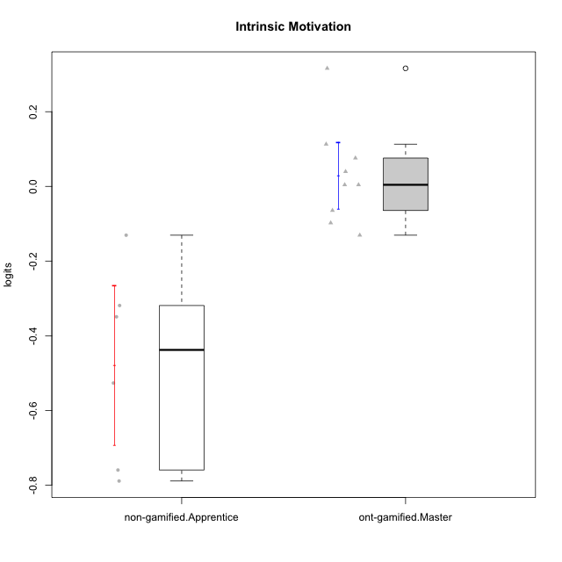

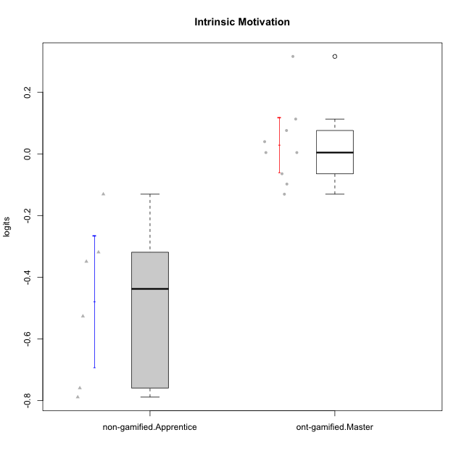

Student's t-Test data
UserID | NroUSP | Type | CLGroup | CLRole | PlayerRole | Intrinsic Motivation | error | WLE.rel
10169 | 10377538 | ont-gamified | Grupo Hefesto | Master | Yee Achiever | 0.075895393129 | 0.19327228634 | 0.84653748942
10174 | 10276852 | ont-gamified | Grupo Urano | Master | Yee Achiever | -0.13071739959 | 0.18205300053 | 0.84653748942
10184 | 10276675 | ont-gamified | Grupo Apolo | Master | Yee Socializer | 0.0042670371176 | 0.18884772492 | 0.84653748942
10185 | 10276960 | non-gamified | Grupo Team 12 | Apprentice |  | -0.34925453258 | 0.17482728664 | 0.84653748942
10193 | 10276762 | ont-gamified | Grupo Afrodite | Master | Yee Achiever | -0.097846227153 | 0.18353233699 | 0.84653748942
10199 | 10276737 | ont-gamified | Grupo Gaia | Master | Yee Achiever | 0.11300962036 | 0.19580810927 | 0.84653748942
10201 | 10276928 | ont-gamified | Grupo Caronte | Master | Yee Achiever | 0.31613975467 | 0.21297456207 | 0.84653748942
10206 | 10310721 | ont-gamified | Grupo Hera | Master | Yee Achiever | 0.0042670371176 | 0.18884772492 | 0.84653748942
10213 | 10277040 | ont-gamified | Grupo Morfeu | Master | Yee Socializer | 0.039677113359 | 0.19095988862 | 0.84653748942
10224 | 9368772 | non-gamified | Grupo Team 10 | Apprentice |  | -0.13071739959 | 0.18205300053 | 0.84653748942
10227 | 9274382 | non-gamified | Grupo Team 4 | Apprentice |  | -0.75966029281 | 0.17264849546 | 0.84653748942
10228 | 10310492 | non-gamified | Grupo Team 14 | Apprentice |  | -0.31901026856 | 0.17556896492 | 0.84653748942
10232 | 10276974 | ont-gamified | Grupo Artemis | Master | Yee Achiever | -0.064429584498 | 0.18514938452 | 0.84653748942
10233 | 9805320 | non-gamified | Grupo Team 16 | Apprentice |  | -0.52666941185 | 0.1720768362 | 0.84653748942
10238 | 10276953 | non-gamified | Grupo Team 13 | Apprentice |  | -0.78907088418 | 0.17307017978 | 0.84653748942

Type_CLRole_4
Student's t-Test for Intrinsic Motivation in Type:CLRole between non-gamified.Master:ont-gamified.Apprentice

Student's t-Test results
Alternative hypothesis: less
Group | N | Mean | Mean.Difference | Std.deviation | Std.error | CI.lower | CI.upper | df | t.value | p.value | g | magnitude
non-gamified.Master | 12 | -0.056012541012 | 0.0360932763 | 0.31592108282 | 0.091198561103 | -0.23840966322 | 0.1263845812 | 17.291725451 | 0.33342519247 | 0.62858882643 | 0.12921167601 | negligible
ont-gamified.Apprentice | 8 | -0.092105817312 | -0.0360932763 | 0.16494567452 | 0.058317102491 | -0.20874002229 | 0.02452838767 | 17.291725451 | 0.33342519247 | 0.62858882643 | 0.12921167601 | negligible
Alternative hypothesis: greater
Group | N | Mean | Mean.Difference | Std.deviation | Std.error | CI.lower | CI.upper | df | t.value | p.value | g | magnitude
non-gamified.Master | 12 | -0.056012541012 | 0.0360932763 | 0.31592108282 | 0.091198561103 | -0.23840966322 | 0.1263845812 | 17.291725451 | 0.33342519247 | 0.37141117357 | 0.12921167601 | negligible
ont-gamified.Apprentice | 8 | -0.092105817312 | -0.0360932763 | 0.16494567452 | 0.058317102491 | -0.20874002229 | 0.02452838767 | 17.291725451 | 0.33342519247 | 0.37141117357 | 0.12921167601 | negligible
Alternative hypothesis: two.sided
Group | N | Mean | Mean.Difference | Std.deviation | Std.error | CI.lower | CI.upper | df | t.value | p.value | g | magnitude
non-gamified.Master | 12 | -0.056012541012 | 0.0360932763 | 0.31592108282 | 0.091198561103 | -0.23840966322 | 0.1263845812 | 17.291725451 | 0.33342519247 | 0.74282234715 | 0.12921167601 | negligible
ont-gamified.Apprentice | 8 | -0.092105817312 | -0.0360932763 | 0.16494567452 | 0.058317102491 | -0.20874002229 | 0.02452838767 | 17.291725451 | 0.33342519247 | 0.74282234715 | 0.12921167601 | negligible

Box plots for Student's t-Test
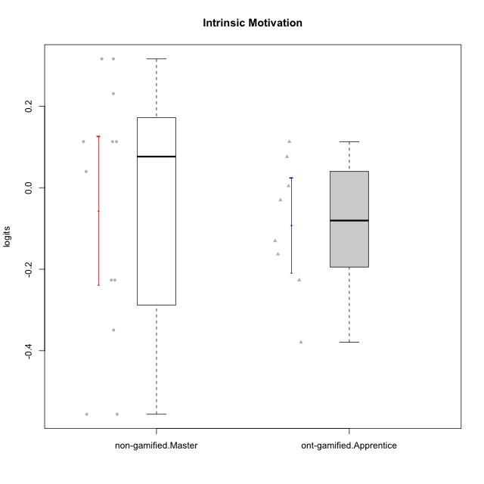

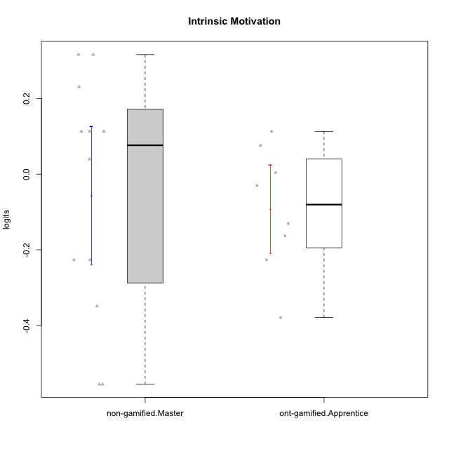

Student's t-Test data
UserID | NroUSP | Type | CLGroup | CLRole | PlayerRole | Intrinsic Motivation | error | WLE.rel
10172 | 10273971 | non-gamified | Grupo Team 1 | Master |  | 0.11300962036 | 0.19580810927 | 0.84653748942
10176 | 10276949 | ont-gamified | Grupo Cronus | Apprentice | Yee Achiever | -0.16309304521 | 0.18070079961 | 0.84653748942
10178 | 8656201 | ont-gamified | Grupo Morfeu | Apprentice | Yee Socializer | 0.0042670371176 | 0.18884772492 | 0.84653748942
10179 | 10310759 | non-gamified | Grupo Team 9 | Master |  | -0.5558103052 | 0.17188551339 | 0.84653748942
10181 | 10276866 | non-gamified | Grupo Team 10 | Master |  | 0.039677113359 | 0.19095988862 | 0.84653748942
10183 | 10352030 | ont-gamified | Grupo Hélio | Apprentice | Yee Socializer | -0.22653598656 | 0.17834262852 | 0.84653748942
10186 | 10310551 | ont-gamified | Grupo Ares | Apprentice | Yee Achiever | -0.03041228851 | 0.18691642336 | 0.84653748942
10188 | 10276995 | non-gamified | Grupo Team 3 | Master |  | -0.22653598656 | 0.17834262852 | 0.84653748942
10190 | 10276907 | ont-gamified | Grupo Zeus | Apprentice | Yee Socializer | 0.11300962036 | 0.19580810927 | 0.84653748942
10191 | 10276981 | non-gamified | Grupo Team 6 | Master |  | 0.23081114016 | 0.20504918991 | 0.84653748942
10195 | 10351971 | ont-gamified | Grupo Urano | Apprentice | Yee Achiever | 0.075895393129 | 0.19327228634 | 0.84653748942
10196 | 10310655 | ont-gamified | Grupo Hefesto | Apprentice | Yee Achiever | -0.37925986924 | 0.17417059518 | 0.84653748942
10211 | 9311643 | non-gamified | Grupo Team 2 | Master |  | -0.22653598656 | 0.17834262852 | 0.84653748942
10212 | 9065750 | non-gamified | Grupo Team 4 | Master |  | 0.31613975467 | 0.21297456207 | 0.84653748942
10216 | 10276720 | non-gamified | Grupo Team 15 | Master |  | 0.31613975467 | 0.21297456207 | 0.84653748942
10217 | 9805341 | non-gamified | Grupo Team 13 | Master |  | 0.11300962036 | 0.19580810927 | 0.84653748942
10219 | 10276831 | non-gamified | Grupo Team 12 | Master |  | -0.34925453258 | 0.17482728664 | 0.84653748942
10221 | 9082496 | ont-gamified | Grupo Hermes | Apprentice | Yee Achiever | -0.13071739959 | 0.18205300053 | 0.84653748942
10234 | 10310676 | non-gamified | Grupo Team 7 | Master |  | -0.5558103052 | 0.17188551339 | 0.84653748942
10237 | 10377688 | non-gamified | Grupo Team 11 | Master |  | 0.11300962036 | 0.19580810927 | 0.84653748942

Type_CLRole_5
Student's t-Test for Intrinsic Motivation in Type:CLRole between non-gamified.Master:ont-gamified.Master

Student's t-Test results
Alternative hypothesis: less
Group | N | Mean | Mean.Difference | Std.deviation | Std.error | CI.lower | CI.upper | df | t.value | p.value | g | magnitude
non-gamified.Master | 12 | -0.056012541012 | -0.084930623736 | 0.31592108282 | 0.091198561103 | -0.23840966322 | 0.1263845812 | 15.663204755 | -0.83650296392 | 0.20772607999 | -0.31899549127 | small
ont-gamified.Master | 9 | 0.028918082724 | 0.084930623736 | 0.13387125929 | 0.044623753097 | -0.06032942347 | 0.11816558892 | 15.663204755 | -0.83650296392 | 0.20772607999 | -0.31899549127 | small
Alternative hypothesis: greater
Group | N | Mean | Mean.Difference | Std.deviation | Std.error | CI.lower | CI.upper | df | t.value | p.value | g | magnitude
non-gamified.Master | 12 | -0.056012541012 | -0.084930623736 | 0.31592108282 | 0.091198561103 | -0.23840966322 | 0.1263845812 | 15.663204755 | -0.83650296392 | 0.79227392001 | -0.31899549127 | small
ont-gamified.Master | 9 | 0.028918082724 | 0.084930623736 | 0.13387125929 | 0.044623753097 | -0.06032942347 | 0.11816558892 | 15.663204755 | -0.83650296392 | 0.79227392001 | -0.31899549127 | small
Alternative hypothesis: two.sided
Group | N | Mean | Mean.Difference | Std.deviation | Std.error | CI.lower | CI.upper | df | t.value | p.value | g | magnitude
non-gamified.Master | 12 | -0.056012541012 | -0.084930623736 | 0.31592108282 | 0.091198561103 | -0.23840966322 | 0.1263845812 | 15.663204755 | -0.83650296392 | 0.41545215998 | -0.31899549127 | small
ont-gamified.Master | 9 | 0.028918082724 | 0.084930623736 | 0.13387125929 | 0.044623753097 | -0.06032942347 | 0.11816558892 | 15.663204755 | -0.83650296392 | 0.41545215998 | -0.31899549127 | small

Box plots for Student's t-Test
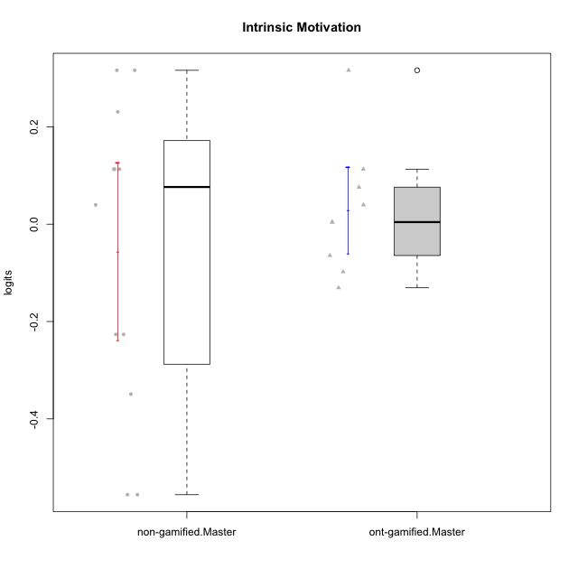

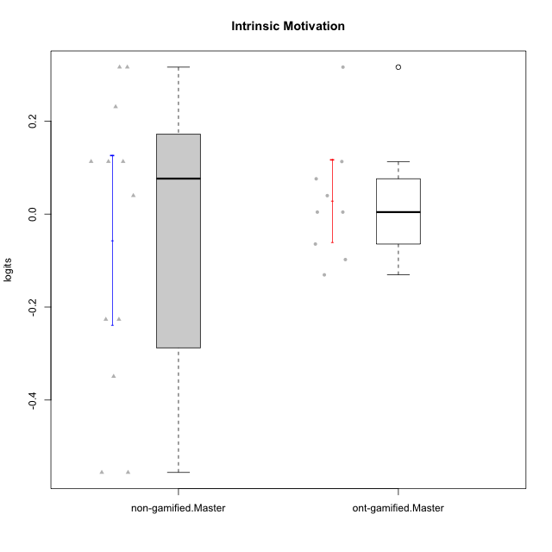

Student's t-Test data
UserID | NroUSP | Type | CLGroup | CLRole | PlayerRole | Intrinsic Motivation | error | WLE.rel
10169 | 10377538 | ont-gamified | Grupo Hefesto | Master | Yee Achiever | 0.075895393129 | 0.19327228634 | 0.84653748942
10172 | 10273971 | non-gamified | Grupo Team 1 | Master |  | 0.11300962036 | 0.19580810927 | 0.84653748942
10174 | 10276852 | ont-gamified | Grupo Urano | Master | Yee Achiever | -0.13071739959 | 0.18205300053 | 0.84653748942
10179 | 10310759 | non-gamified | Grupo Team 9 | Master |  | -0.5558103052 | 0.17188551339 | 0.84653748942
10181 | 10276866 | non-gamified | Grupo Team 10 | Master |  | 0.039677113359 | 0.19095988862 | 0.84653748942
10184 | 10276675 | ont-gamified | Grupo Apolo | Master | Yee Socializer | 0.0042670371176 | 0.18884772492 | 0.84653748942
10188 | 10276995 | non-gamified | Grupo Team 3 | Master |  | -0.22653598656 | 0.17834262852 | 0.84653748942
10191 | 10276981 | non-gamified | Grupo Team 6 | Master |  | 0.23081114016 | 0.20504918991 | 0.84653748942
10193 | 10276762 | ont-gamified | Grupo Afrodite | Master | Yee Achiever | -0.097846227153 | 0.18353233699 | 0.84653748942
10199 | 10276737 | ont-gamified | Grupo Gaia | Master | Yee Achiever | 0.11300962036 | 0.19580810927 | 0.84653748942
10201 | 10276928 | ont-gamified | Grupo Caronte | Master | Yee Achiever | 0.31613975467 | 0.21297456207 | 0.84653748942
10206 | 10310721 | ont-gamified | Grupo Hera | Master | Yee Achiever | 0.0042670371176 | 0.18884772492 | 0.84653748942
10211 | 9311643 | non-gamified | Grupo Team 2 | Master |  | -0.22653598656 | 0.17834262852 | 0.84653748942
10212 | 9065750 | non-gamified | Grupo Team 4 | Master |  | 0.31613975467 | 0.21297456207 | 0.84653748942
10213 | 10277040 | ont-gamified | Grupo Morfeu | Master | Yee Socializer | 0.039677113359 | 0.19095988862 | 0.84653748942
10216 | 10276720 | non-gamified | Grupo Team 15 | Master |  | 0.31613975467 | 0.21297456207 | 0.84653748942
10217 | 9805341 | non-gamified | Grupo Team 13 | Master |  | 0.11300962036 | 0.19580810927 | 0.84653748942
10219 | 10276831 | non-gamified | Grupo Team 12 | Master |  | -0.34925453258 | 0.17482728664 | 0.84653748942
10232 | 10276974 | ont-gamified | Grupo Artemis | Master | Yee Achiever | -0.064429584498 | 0.18514938452 | 0.84653748942
10234 | 10310676 | non-gamified | Grupo Team 7 | Master |  | -0.5558103052 | 0.17188551339 | 0.84653748942
10237 | 10377688 | non-gamified | Grupo Team 11 | Master |  | 0.11300962036 | 0.19580810927 | 0.84653748942

Type_CLRole_6
Student's t-Test for Intrinsic Motivation in Type:CLRole between ont-gamified.Apprentice:ont-gamified.Master

Student's t-Test results
Alternative hypothesis: less
Group | N | Mean | Mean.Difference | Std.deviation | Std.error | CI.lower | CI.upper | df | t.value | p.value | g | magnitude
ont-gamified.Apprentice | 8 | -0.092105817312 | -0.12102390004 | 0.16494567452 | 0.058317102491 | -0.20874002229 | 0.02452838767 | 13.536444422 | -1.6481229485 | 0.061166345882 | -0.77000854544 | medium
ont-gamified.Master | 9 | 0.028918082724 | 0.12102390004 | 0.13387125929 | 0.044623753097 | -0.06032942347 | 0.11816558892 | 13.536444422 | -1.6481229485 | 0.061166345882 | -0.77000854544 | medium
Alternative hypothesis: greater
Group | N | Mean | Mean.Difference | Std.deviation | Std.error | CI.lower | CI.upper | df | t.value | p.value | g | magnitude
ont-gamified.Apprentice | 8 | -0.092105817312 | -0.12102390004 | 0.16494567452 | 0.058317102491 | -0.20874002229 | 0.02452838767 | 13.536444422 | -1.6481229485 | 0.93883365412 | -0.77000854544 | medium
ont-gamified.Master | 9 | 0.028918082724 | 0.12102390004 | 0.13387125929 | 0.044623753097 | -0.06032942347 | 0.11816558892 | 13.536444422 | -1.6481229485 | 0.93883365412 | -0.77000854544 | medium
Alternative hypothesis: two.sided
Group | N | Mean | Mean.Difference | Std.deviation | Std.error | CI.lower | CI.upper | df | t.value | p.value | g | magnitude
ont-gamified.Apprentice | 8 | -0.092105817312 | -0.12102390004 | 0.16494567452 | 0.058317102491 | -0.20874002229 | 0.02452838767 | 13.536444422 | -1.6481229485 | 0.12233269176 | -0.77000854544 | medium
ont-gamified.Master | 9 | 0.028918082724 | 0.12102390004 | 0.13387125929 | 0.044623753097 | -0.06032942347 | 0.11816558892 | 13.536444422 | -1.6481229485 | 0.12233269176 | -0.77000854544 | medium

Box plots for Student's t-Test
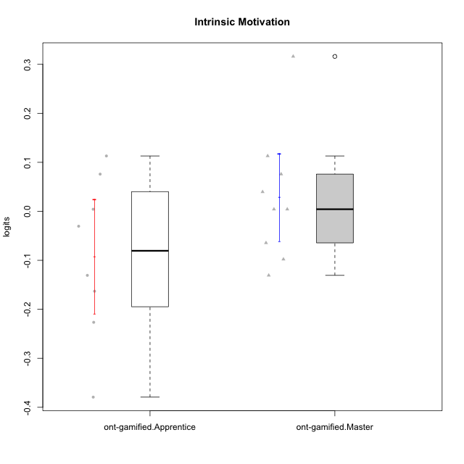

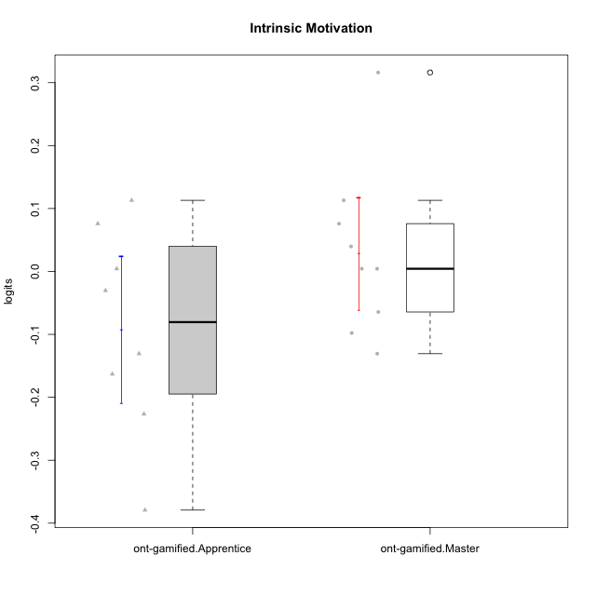

Student's t-Test data
UserID | NroUSP | Type | CLGroup | CLRole | PlayerRole | Intrinsic Motivation | error | WLE.rel
10169 | 10377538 | ont-gamified | Grupo Hefesto | Master | Yee Achiever | 0.075895393129 | 0.19327228634 | 0.84653748942
10174 | 10276852 | ont-gamified | Grupo Urano | Master | Yee Achiever | -0.13071739959 | 0.18205300053 | 0.84653748942
10176 | 10276949 | ont-gamified | Grupo Cronus | Apprentice | Yee Achiever | -0.16309304521 | 0.18070079961 | 0.84653748942
10178 | 8656201 | ont-gamified | Grupo Morfeu | Apprentice | Yee Socializer | 0.0042670371176 | 0.18884772492 | 0.84653748942
10183 | 10352030 | ont-gamified | Grupo Hélio | Apprentice | Yee Socializer | -0.22653598656 | 0.17834262852 | 0.84653748942
10184 | 10276675 | ont-gamified | Grupo Apolo | Master | Yee Socializer | 0.0042670371176 | 0.18884772492 | 0.84653748942
10186 | 10310551 | ont-gamified | Grupo Ares | Apprentice | Yee Achiever | -0.03041228851 | 0.18691642336 | 0.84653748942
10190 | 10276907 | ont-gamified | Grupo Zeus | Apprentice | Yee Socializer | 0.11300962036 | 0.19580810927 | 0.84653748942
10193 | 10276762 | ont-gamified | Grupo Afrodite | Master | Yee Achiever | -0.097846227153 | 0.18353233699 | 0.84653748942
10195 | 10351971 | ont-gamified | Grupo Urano | Apprentice | Yee Achiever | 0.075895393129 | 0.19327228634 | 0.84653748942
10196 | 10310655 | ont-gamified | Grupo Hefesto | Apprentice | Yee Achiever | -0.37925986924 | 0.17417059518 | 0.84653748942
10199 | 10276737 | ont-gamified | Grupo Gaia | Master | Yee Achiever | 0.11300962036 | 0.19580810927 | 0.84653748942
10201 | 10276928 | ont-gamified | Grupo Caronte | Master | Yee Achiever | 0.31613975467 | 0.21297456207 | 0.84653748942
10206 | 10310721 | ont-gamified | Grupo Hera | Master | Yee Achiever | 0.0042670371176 | 0.18884772492 | 0.84653748942
10213 | 10277040 | ont-gamified | Grupo Morfeu | Master | Yee Socializer | 0.039677113359 | 0.19095988862 | 0.84653748942
10221 | 9082496 | ont-gamified | Grupo Hermes | Apprentice | Yee Achiever | -0.13071739959 | 0.18205300053 | 0.84653748942
10232 | 10276974 | ont-gamified | Grupo Artemis | Master | Yee Achiever | -0.064429584498 | 0.18514938452 | 0.84653748942

