Assumptions
ANOVA assumptions for Perceived Choice

Shapiro-Wilk normality test for Perceived Choice
W | p.value
0.97126541028 | 0.20071383473

Plots for normality test
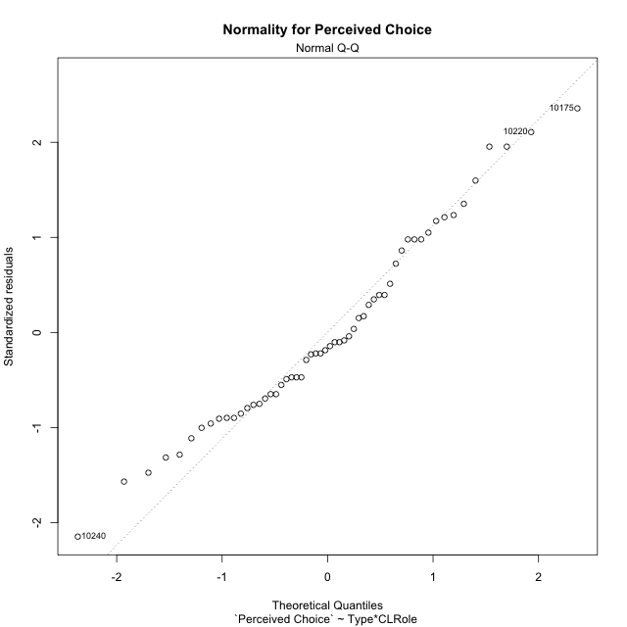

Levene's Test for Homogeneity of Variance in Perceived Choice
Df | F value | Pr(>F)
3 | 0.12635761772 | 0.94407810163
52

Plots for homogeneity of variance
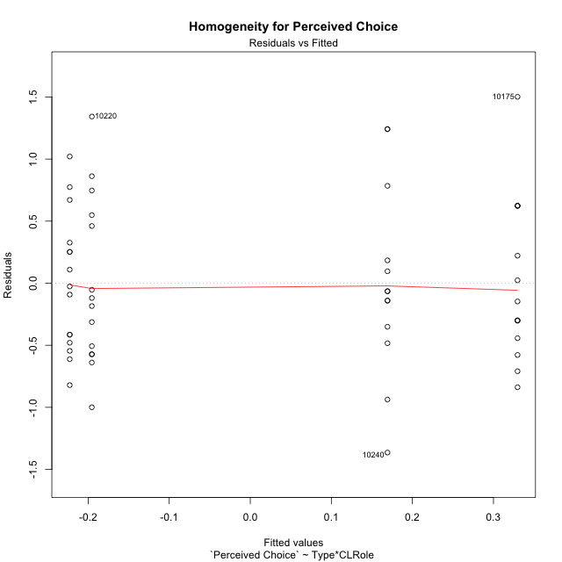

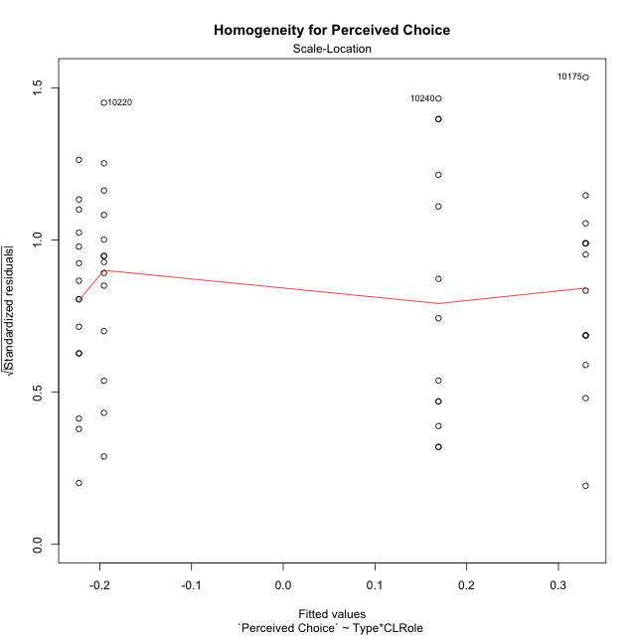

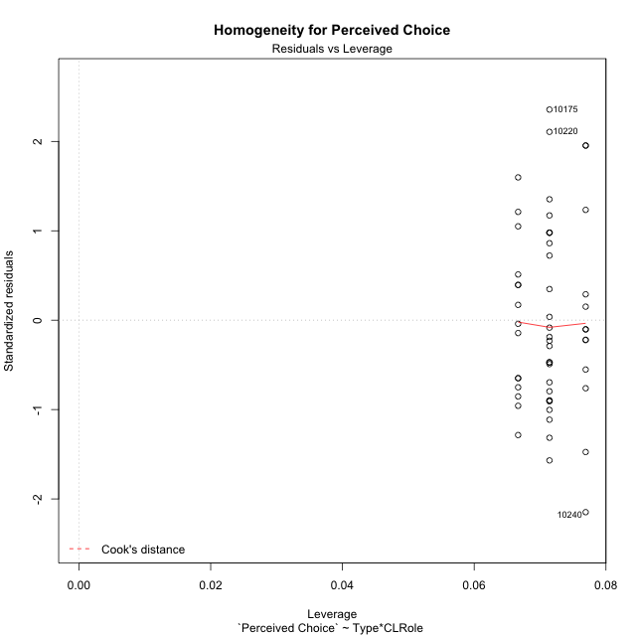

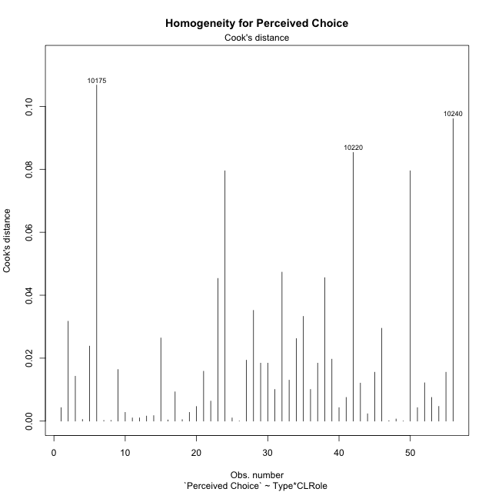

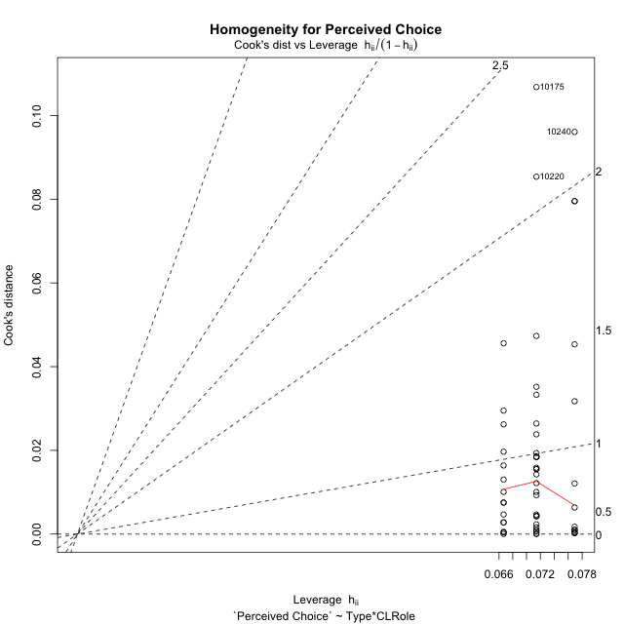

Minimum Sample Size Test for Perceived Choice
Type | CLRole | Freq
non-gamified | Apprentice | 14
ont-gamified | Apprentice | 13
non-gamified | Master | 15
ont-gamified | Master | 14

Errors and Warnings in Sample Size Test for ANOVA in Perceived Choice
code | description
WARN: sample.size | current.size is = 14 and recommended.size must be = 15 for the group: 'non-gamified:Apprentice'. Size sample for parametric test isn't recomended
WARN: sample.size | current.size is = 13 and recommended.size must be = 15 for the group: 'ont-gamified:Apprentice'. Size sample for parametric test isn't recomended
WARN: sample.size | current.size is = 14 and recommended.size must be = 15 for the group: 'ont-gamified:Master'. Size sample for parametric test isn't recomended

For the group: 'non-gamified:Apprentice', we recommend the use of non parametric test. For the group: 'ont-gamified:Apprentice', we recommend the use of non parametric test. For the group: 'non-gamified:Master', you can perform a parametric test with a non-normal distribution For the group: 'ont-gamified:Master', we recommend the use of non parametric test.

If you don't want to remove non-normal data, you must cite the following references: ... (1) Lix, L.M., J.C. Keselman, and H.J. Keselman. 1996. Consequences of assumption violations revisited: A quantitative review of alternatives to the one-way analysis of variance F test. Rev. Educ. Res. 66: 579-619. ... (2) Harwell, M.R., E.N. Rubinstein, W.S. Hayes, and C.C. Olds. 1992. Summarizing Monte Carlo results in methodological research: the one- and two-factor fixed effects ANOVA cases. J. Educ. Stat. 17: 315-339.

Post-hoc
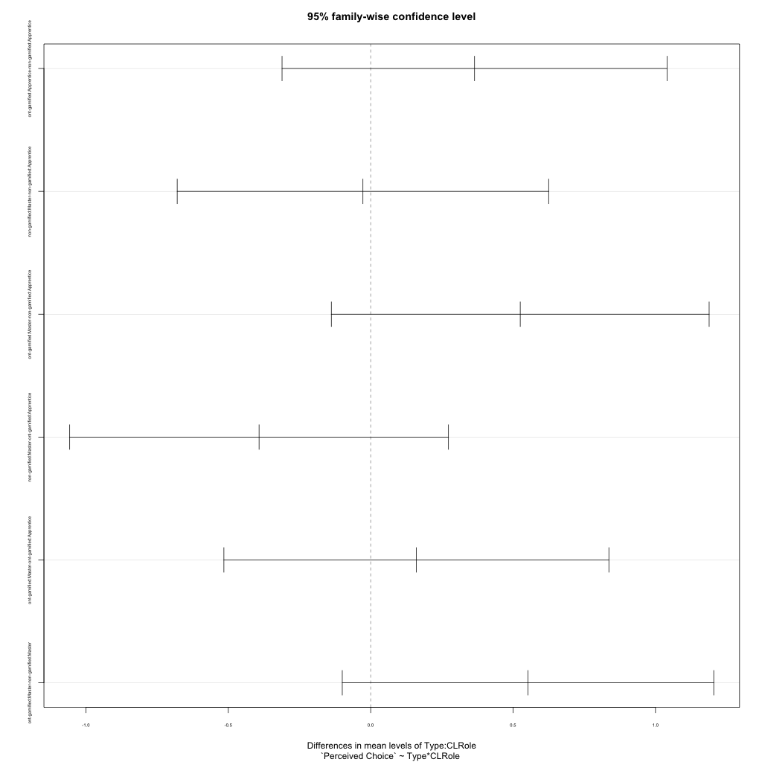
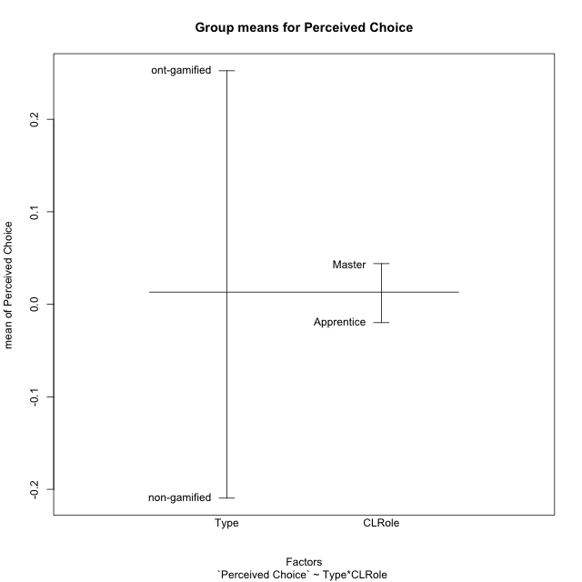
Post-hoc Tukey Honestly Significant Difference (HSD) Test for Perceived Choice

Comparisons of means for Type
 | diff | lwr | upr | p adj
ont-gamified-non-gamified | 0.46195203028 | 0.10711369373 | 0.81679036684 | 0.011726941386

Comparisons of means for CLRole
 | diff | lwr | upr | p adj
Master-Apprentice | 0.06321381282 | -0.29162452373 | 0.41805214937 | 0.72217896735

Comparisons of means for Type:CLRole
 | diff | lwr | upr | p adj
ont-gamified:Apprentice-non-gamified:Apprentice | 0.36465496378 | -0.31128751767 | 1.0405974452 | 0.48565404513
non-gamified:Master-non-gamified:Apprentice | -0.027281288374 | -0.67943940714 | 0.62487683039 | 0.999503802
ont-gamified:Master-non-gamified:Apprentice | 0.52508521324 | -0.13822171515 | 1.1883921416 | 0.16630397016
non-gamified:Master-ont-gamified:Apprentice | -0.39193625215 | -1.0569417926 | 0.27306928831 | 0.40765354518
ont-gamified:Master-ont-gamified:Apprentice | 0.16043024946 | -0.51551223198 | 0.83637273091 | 0.92194580899
ont-gamified:Master-non-gamified:Master | 0.55236650161 | -0.099791617153 | 1.2045246204 | 0.12395970308

Contrast Matrices for Perceived Choice - Type
contrast | estimate | SE | df | t.ratio | p.value
non-gamified - ont-gamified | -0.4585107327 | 0.17694509226 | 52 | -2.5912599601 | 0.012381977932

Contrast Matrices for Perceived Choice - Type:CLRole
contrast | CLRole | estimate | SE | df | t.ratio | p.value
non-gamified - ont-gamified | Apprentice | -0.36465496378 | 0.25467871639 | 52 | -1.4318234714 | 0.15817796769
non-gamified - ont-gamified | Master | -0.55236650161 | 0.24571734597 | 52 | -2.2479752068 | 0.028844165745

Least Squares Means and Confidence Intervals for Type
Type | lsmean | SE | df | lower.CL | upper.CL | Pairs
non-gamified | -0.20904878836 | 0.12285867299 | 52 | -0.45558275198 | 0.037485175266 | non-gamified
ont-gamified | 0.24946194434 | 0.12733935819 | 52 | -0.0060631719375 | 0.50498706062 | ont-gamified

Least Squares Means and Confidence Intervals for Type:CLRole
Type | CLRole | lsmean | SE | df | lower.CL | upper.CL | Pairs
non-gamified | Apprentice | -0.19540814417 | 0.1767186749 | 52 | -0.55002010855 | 0.15920382021 | non-gamified.Apprentice
ont-gamified | Apprentice | 0.16924681961 | 0.18338963581 | 52 | -0.19875140717 | 0.5372450464 | ont-gamified.Apprentice
non-gamified | Master | -0.22268943254 | 0.17072645974 | 52 | -0.56527713751 | 0.11989827243 | non-gamified.Master
ont-gamified | Master | 0.32967706907 | 0.1767186749 | 52 | -0.024934895307 | 0.68428903345 | ont-gamified.Master

Plots

Type_1
Student's t-Test for Perceived Choice in Type between non-gamified:ont-gamified

Student's t-Test results
Alternative hypothesis: less
Group | N | Mean | Mean.Difference | Std.deviation | Std.error | CI.lower | CI.upper | df | t.value | p.value | g | magnitude
non-gamified | 29 | -0.2095191554 | -0.46195203028 | 0.60816577247 | 0.11293354879 | -0.43538625297 | 0.016347942177 | 51.827494199 | -2.6389734101 | 0.0054783931835 | -0.69926400806 | medium
ont-gamified | 27 | 0.25243287489 | 0.46195203028 | 0.69497408856 | 0.1337478257 | -0.015062776521 | 0.5199285263 | 51.827494199 | -2.6389734101 | 0.0054783931835 | -0.69926400806 | medium
Alternative hypothesis: greater
Group | N | Mean | Mean.Difference | Std.deviation | Std.error | CI.lower | CI.upper | df | t.value | p.value | g | magnitude
non-gamified | 29 | -0.2095191554 | -0.46195203028 | 0.60816577247 | 0.11293354879 | -0.43538625297 | 0.016347942177 | 51.827494199 | -2.6389734101 | 0.99452160682 | -0.69926400806 | medium
ont-gamified | 27 | 0.25243287489 | 0.46195203028 | 0.69497408856 | 0.1337478257 | -0.015062776521 | 0.5199285263 | 51.827494199 | -2.6389734101 | 0.99452160682 | -0.69926400806 | medium
Alternative hypothesis: two.sided
Group | N | Mean | Mean.Difference | Std.deviation | Std.error | CI.lower | CI.upper | df | t.value | p.value | g | magnitude
non-gamified | 29 | -0.2095191554 | -0.46195203028 | 0.60816577247 | 0.11293354879 | -0.43538625297 | 0.016347942177 | 51.827494199 | -2.6389734101 | 0.010956786367 | -0.69926400806 | medium
ont-gamified | 27 | 0.25243287489 | 0.46195203028 | 0.69497408856 | 0.1337478257 | -0.015062776521 | 0.5199285263 | 51.827494199 | -2.6389734101 | 0.010956786367 | -0.69926400806 | medium

Box plots for Student's t-Test
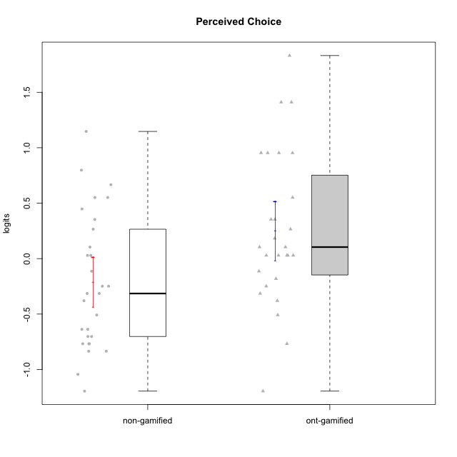

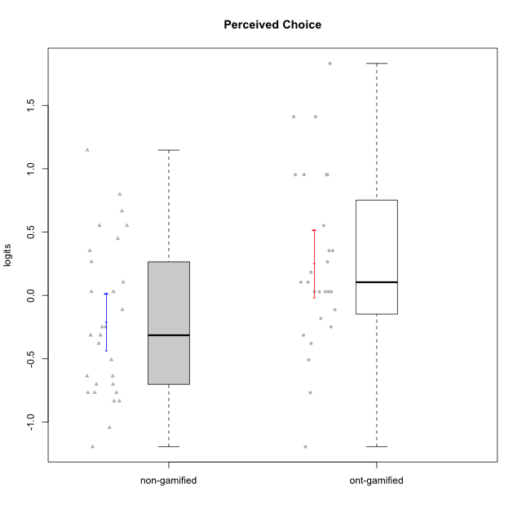

Student's t-Test data
UserID | NroUSP | Type | CLGroup | CLRole | PlayerRole | Perceived Choice | error | WLE.rel
10169 | 10377538 | ont-gamified | Grupo Hefesto | Master | Yee Achiever | 0.029085845599 | 0.27619974376 | 0.80325465669
10170 | 10260351 | ont-gamified | Grupo Afrodite | Apprentice | Yee Achiever | 0.95331964346 | 0.42106572839 | 0.80325465669
10171 | 698531 | non-gamified | Grupo Team 6 | Apprentice |  | 0.35327281741 | 0.30792780072 | 0.80325465669
10172 | 10273971 | non-gamified | Grupo Team 1 | Master |  | -0.11336994574 | 0.26746851871 | 0.80325465669
10174 | 10276852 | ont-gamified | Grupo Urano | Master | Yee Achiever | -0.37962261722 | 0.25852879651 | 0.80325465669
10175 | 10310700 | ont-gamified | Grupo Hélio | Master | Yee Socializer | 1.8311558051 | 0.73707743646 | 0.80325465669
10176 | 10276949 | ont-gamified | Grupo Cronus | Apprentice | Yee Achiever | 0.10416310867 | 0.2820123022 | 0.80325465669
10178 | 8656201 | ont-gamified | Grupo Morfeu | Apprentice | Yee Socializer | 0.10416310867 | 0.2820123022 | 0.80325465669
10179 | 10310759 | non-gamified | Grupo Team 9 | Master |  | -0.83464703634 | 0.2635021367 | 0.80325465669
10181 | 10276866 | non-gamified | Grupo Team 10 | Master |  | 0.029085845599 | 0.27619974376 | 0.80325465669
10183 | 10352030 | ont-gamified | Grupo Hélio | Apprentice | Yee Socializer | 0.029085845599 | 0.27619974376 | 0.80325465669
10184 | 10276675 | ont-gamified | Grupo Apolo | Master | Yee Socializer | 0.18263151096 | 0.28903869381 | 0.80325465669
10185 | 10276960 | non-gamified | Grupo Team 12 | Apprentice |  | -0.37962261722 | 0.25852879651 | 0.80325465669
10186 | 10310551 | ont-gamified | Grupo Ares | Apprentice | Yee Achiever | 0.35327281741 | 0.30792780072 | 0.80325465669
10187 | 9790781 | non-gamified | Grupo Team 15 | Apprentice |  | 0.55137217852 | 0.33670150201 | 0.80325465669
10188 | 10276995 | non-gamified | Grupo Team 3 | Master |  | -0.31453153991 | 0.25987423721 | 0.80325465669
10189 | 9363926 | ont-gamified | Grupo Hades | Master | Yee Socializer | -0.11336994574 | 0.26746851871 | 0.80325465669
10190 | 10276907 | ont-gamified | Grupo Zeus | Apprentice | Yee Socializer | 0.26531177346 | 0.29755097251 | 0.80325465669
10191 | 10276981 | non-gamified | Grupo Team 6 | Master |  | 0.029085845599 | 0.27619974376 | 0.80325465669
10192 | 10276682 | non-gamified | Grupo Team 5 | Apprentice |  | -0.50851732488 | 0.25739741425 | 0.80325465669
10193 | 10276762 | ont-gamified | Grupo Afrodite | Master | Yee Achiever | -0.24865992436 | 0.26177885285 | 0.80325465669
10195 | 10351971 | ont-gamified | Grupo Urano | Apprentice | Yee Achiever | -0.1817151787 | 0.26428916246 | 0.80325465669
10196 | 10310655 | ont-gamified | Grupo Hefesto | Apprentice | Yee Achiever | -0.76798200307 | 0.26119267842 | 0.80325465669
10197 | 10276661 | ont-gamified | Grupo Gaia | Apprentice | Yee Achiever | 1.410541 | 0.56331009284 | 0.80325465669
10200 | 9795272 | ont-gamified | Grupo Hades | Apprentice | Yee Socializer | 0.029085845599 | 0.27619974376 | 0.80325465669
10201 | 10276928 | ont-gamified | Grupo Caronte | Master | Yee Achiever | 0.35327281741 | 0.30792780072 | 0.80325465669
10202 | 10277036 | non-gamified | Grupo Team 11 | Apprentice |  | -0.83464703634 | 0.2635021367 | 0.80325465669
10203 | 9921470 | non-gamified | Grupo Team 3 | Apprentice |  | 0.66648493595 | 0.35714063589 | 0.80325465669
10204 | 10310471 | ont-gamified | Grupo Hermes | Master | Yee Achiever | 0.95331964346 | 0.42106572839 | 0.80325465669
10206 | 10310721 | ont-gamified | Grupo Hera | Master | Yee Achiever | 0.95331964346 | 0.42106572839 | 0.80325465669
10208 | 10276932 | non-gamified | Grupo Team 7 | Apprentice |  | 0.26531177346 | 0.29755097251 | 0.80325465669
10210 | 10277015 | non-gamified | Grupo Team 9 | Apprentice |  | -1.1950467662 | 0.28659193583 | 0.80325465669
10211 | 9311643 | non-gamified | Grupo Team 2 | Master |  | -0.76798200307 | 0.26119267842 | 0.80325465669
10212 | 9065750 | non-gamified | Grupo Team 4 | Master |  | 0.55137217852 | 0.33670150201 | 0.80325465669
10213 | 10277040 | ont-gamified | Grupo Morfeu | Master | Yee Socializer | -0.50851732488 | 0.25739741425 | 0.80325465669
10214 | 10277022 | non-gamified | Grupo Team 5 | Master |  | -0.70229875907 | 0.25946027111 | 0.80325465669
10215 | 9285227 | ont-gamified | Grupo Zeus | Master | Yee Socializer | 0.95331964346 | 0.42106572839 | 0.80325465669
10216 | 10276720 | non-gamified | Grupo Team 15 | Master |  | 0.79789412102 | 0.38406146562 | 0.80325465669
10217 | 9805341 | non-gamified | Grupo Team 13 | Master |  | 0.44795427888 | 0.32071073258 | 0.80325465669
10218 | 9842913 | ont-gamified | Grupo Ares | Master | Yee Achiever | 0.029085845599 | 0.27619974376 | 0.80325465669
10219 | 10276831 | non-gamified | Grupo Team 12 | Master |  | -0.63732648889 | 0.25826516533 | 0.80325465669
10220 | 9760151 | non-gamified | Grupo Team 2 | Apprentice |  | 1.1471322504 | 0.47527260967 | 0.80325465669
10221 | 9082496 | ont-gamified | Grupo Hermes | Apprentice | Yee Achiever | -0.31453153991 | 0.25987423721 | 0.80325465669
10223 | 9795185 | ont-gamified | Grupo Cronus | Master | Yee Achiever | 0.55137217852 | 0.33670150201 | 0.80325465669
10224 | 9368772 | non-gamified | Grupo Team 10 | Apprentice |  | -0.76798200307 | 0.26119267842 | 0.80325465669
10226 | 10310342 | non-gamified | Grupo Team 8 | Master |  | -1.0437546802 | 0.27457456786 | 0.80325465669
10227 | 9274382 | non-gamified | Grupo Team 4 | Apprentice |  | -0.24865992436 | 0.26177885285 | 0.80325465669
10228 | 10310492 | non-gamified | Grupo Team 14 | Apprentice |  | -0.31453153991 | 0.25987423721 | 0.80325465669
10230 | 10351992 | non-gamified | Grupo Team 14 | Master |  | -0.24865992436 | 0.26177885285 | 0.80325465669
10231 | 10276911 | ont-gamified | Grupo Caronte | Apprentice | Yee Achiever | 1.410541 | 0.56331009284 | 0.80325465669
10232 | 10276974 | ont-gamified | Grupo Artemis | Master | Yee Achiever | 0.029085845599 | 0.27619974376 | 0.80325465669
10233 | 9805320 | non-gamified | Grupo Team 16 | Apprentice |  | -0.70229875907 | 0.25946027111 | 0.80325465669
10234 | 10310676 | non-gamified | Grupo Team 7 | Master |  | -0.63732648889 | 0.25826516533 | 0.80325465669
10237 | 10377688 | non-gamified | Grupo Team 11 | Master |  | 0.10416310867 | 0.2820123022 | 0.80325465669
10238 | 10276953 | non-gamified | Grupo Team 13 | Apprentice |  | -0.76798200307 | 0.26119267842 | 0.80325465669
10240 | 10276654 | ont-gamified | Grupo Hera | Apprentice | Yee Achiever | -1.1950467662 | 0.28659193583 | 0.80325465669

Type_CLRole_1
Student's t-Test for Perceived Choice in Type:CLRole between non-gamified.Apprentice:non-gamified.Master

Student's t-Test results
Alternative hypothesis: less
Group | N | Mean | Mean.Difference | Std.deviation | Std.error | CI.lower | CI.upper | df | t.value | p.value | g | magnitude
non-gamified.Apprentice | 14 | -0.19540814417 | 0.027281288374 | 0.68420593103 | 0.18286172685 | -0.56113159787 | 0.17031530954 | 25.017661389 | 0.1176746446 | 0.54636743183 | 0.042826084125 | negligible
non-gamified.Master | 15 | -0.22268943254 | -0.027281288374 | 0.55194827849 | 0.1425124327 | -0.50771429795 | 0.062335432867 | 25.017661389 | 0.1176746446 | 0.54636743183 | 0.042826084125 | negligible
Alternative hypothesis: greater
Group | N | Mean | Mean.Difference | Std.deviation | Std.error | CI.lower | CI.upper | df | t.value | p.value | g | magnitude
non-gamified.Apprentice | 14 | -0.19540814417 | 0.027281288374 | 0.68420593103 | 0.18286172685 | -0.56113159787 | 0.17031530954 | 25.017661389 | 0.1176746446 | 0.45363256817 | 0.042826084125 | negligible
non-gamified.Master | 15 | -0.22268943254 | -0.027281288374 | 0.55194827849 | 0.1425124327 | -0.50771429795 | 0.062335432867 | 25.017661389 | 0.1176746446 | 0.45363256817 | 0.042826084125 | negligible
Alternative hypothesis: two.sided
Group | N | Mean | Mean.Difference | Std.deviation | Std.error | CI.lower | CI.upper | df | t.value | p.value | g | magnitude
non-gamified.Apprentice | 14 | -0.19540814417 | 0.027281288374 | 0.68420593103 | 0.18286172685 | -0.56113159787 | 0.17031530954 | 25.017661389 | 0.1176746446 | 0.90726513633 | 0.042826084125 | negligible
non-gamified.Master | 15 | -0.22268943254 | -0.027281288374 | 0.55194827849 | 0.1425124327 | -0.50771429795 | 0.062335432867 | 25.017661389 | 0.1176746446 | 0.90726513633 | 0.042826084125 | negligible

Box plots for Student's t-Test
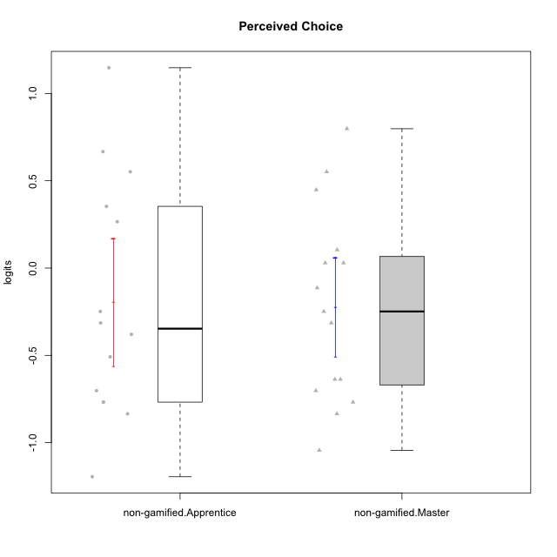

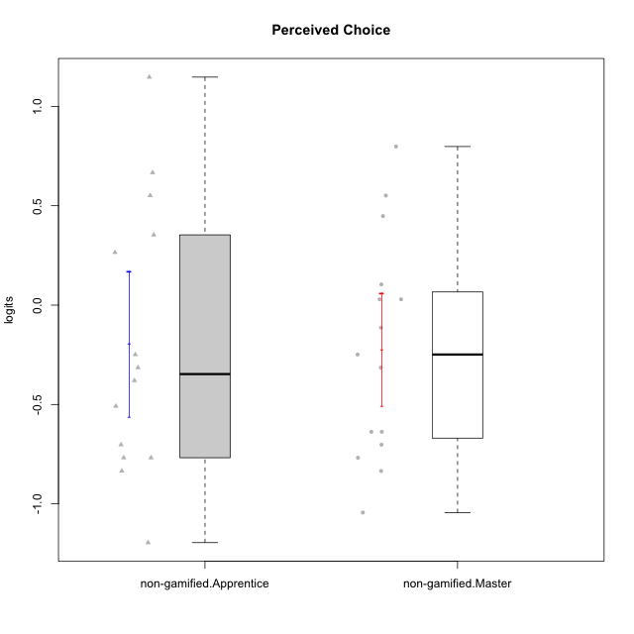

Student's t-Test data
UserID | NroUSP | Type | CLGroup | CLRole | PlayerRole | Perceived Choice | error | WLE.rel
10171 | 698531 | non-gamified | Grupo Team 6 | Apprentice |  | 0.35327281741 | 0.30792780072 | 0.80325465669
10172 | 10273971 | non-gamified | Grupo Team 1 | Master |  | -0.11336994574 | 0.26746851871 | 0.80325465669
10179 | 10310759 | non-gamified | Grupo Team 9 | Master |  | -0.83464703634 | 0.2635021367 | 0.80325465669
10181 | 10276866 | non-gamified | Grupo Team 10 | Master |  | 0.029085845599 | 0.27619974376 | 0.80325465669
10185 | 10276960 | non-gamified | Grupo Team 12 | Apprentice |  | -0.37962261722 | 0.25852879651 | 0.80325465669
10187 | 9790781 | non-gamified | Grupo Team 15 | Apprentice |  | 0.55137217852 | 0.33670150201 | 0.80325465669
10188 | 10276995 | non-gamified | Grupo Team 3 | Master |  | -0.31453153991 | 0.25987423721 | 0.80325465669
10191 | 10276981 | non-gamified | Grupo Team 6 | Master |  | 0.029085845599 | 0.27619974376 | 0.80325465669
10192 | 10276682 | non-gamified | Grupo Team 5 | Apprentice |  | -0.50851732488 | 0.25739741425 | 0.80325465669
10202 | 10277036 | non-gamified | Grupo Team 11 | Apprentice |  | -0.83464703634 | 0.2635021367 | 0.80325465669
10203 | 9921470 | non-gamified | Grupo Team 3 | Apprentice |  | 0.66648493595 | 0.35714063589 | 0.80325465669
10208 | 10276932 | non-gamified | Grupo Team 7 | Apprentice |  | 0.26531177346 | 0.29755097251 | 0.80325465669
10210 | 10277015 | non-gamified | Grupo Team 9 | Apprentice |  | -1.1950467662 | 0.28659193583 | 0.80325465669
10211 | 9311643 | non-gamified | Grupo Team 2 | Master |  | -0.76798200307 | 0.26119267842 | 0.80325465669
10212 | 9065750 | non-gamified | Grupo Team 4 | Master |  | 0.55137217852 | 0.33670150201 | 0.80325465669
10214 | 10277022 | non-gamified | Grupo Team 5 | Master |  | -0.70229875907 | 0.25946027111 | 0.80325465669
10216 | 10276720 | non-gamified | Grupo Team 15 | Master |  | 0.79789412102 | 0.38406146562 | 0.80325465669
10217 | 9805341 | non-gamified | Grupo Team 13 | Master |  | 0.44795427888 | 0.32071073258 | 0.80325465669
10219 | 10276831 | non-gamified | Grupo Team 12 | Master |  | -0.63732648889 | 0.25826516533 | 0.80325465669
10220 | 9760151 | non-gamified | Grupo Team 2 | Apprentice |  | 1.1471322504 | 0.47527260967 | 0.80325465669
10224 | 9368772 | non-gamified | Grupo Team 10 | Apprentice |  | -0.76798200307 | 0.26119267842 | 0.80325465669
10226 | 10310342 | non-gamified | Grupo Team 8 | Master |  | -1.0437546802 | 0.27457456786 | 0.80325465669
10227 | 9274382 | non-gamified | Grupo Team 4 | Apprentice |  | -0.24865992436 | 0.26177885285 | 0.80325465669
10228 | 10310492 | non-gamified | Grupo Team 14 | Apprentice |  | -0.31453153991 | 0.25987423721 | 0.80325465669
10230 | 10351992 | non-gamified | Grupo Team 14 | Master |  | -0.24865992436 | 0.26177885285 | 0.80325465669
10233 | 9805320 | non-gamified | Grupo Team 16 | Apprentice |  | -0.70229875907 | 0.25946027111 | 0.80325465669
10234 | 10310676 | non-gamified | Grupo Team 7 | Master |  | -0.63732648889 | 0.25826516533 | 0.80325465669
10237 | 10377688 | non-gamified | Grupo Team 11 | Master |  | 0.10416310867 | 0.2820123022 | 0.80325465669
10238 | 10276953 | non-gamified | Grupo Team 13 | Apprentice |  | -0.76798200307 | 0.26119267842 | 0.80325465669

Type_CLRole_2
Student's t-Test for Perceived Choice in Type:CLRole between non-gamified.Apprentice:ont-gamified.Apprentice

Student's t-Test results
Alternative hypothesis: less
Group | N | Mean | Mean.Difference | Std.deviation | Std.error | CI.lower | CI.upper | df | t.value | p.value | g | magnitude
non-gamified.Apprentice | 14 | -0.19540814417 | -0.36465496378 | 0.68420593103 | 0.18286172685 | -0.56113159787 | 0.17031530954 | 24.232492426 | -1.3093080751 | 0.10135478915 | -0.49092937385 | small
ont-gamified.Apprentice | 13 | 0.16924681961 | 0.36465496378 | 0.75741662778 | 0.21006957603 | -0.25089233244 | 0.58938597167 | 24.232492426 | -1.3093080751 | 0.10135478915 | -0.49092937385 | small
Alternative hypothesis: greater
Group | N | Mean | Mean.Difference | Std.deviation | Std.error | CI.lower | CI.upper | df | t.value | p.value | g | magnitude
non-gamified.Apprentice | 14 | -0.19540814417 | -0.36465496378 | 0.68420593103 | 0.18286172685 | -0.56113159787 | 0.17031530954 | 24.232492426 | -1.3093080751 | 0.89864521085 | -0.49092937385 | small
ont-gamified.Apprentice | 13 | 0.16924681961 | 0.36465496378 | 0.75741662778 | 0.21006957603 | -0.25089233244 | 0.58938597167 | 24.232492426 | -1.3093080751 | 0.89864521085 | -0.49092937385 | small
Alternative hypothesis: two.sided
Group | N | Mean | Mean.Difference | Std.deviation | Std.error | CI.lower | CI.upper | df | t.value | p.value | g | magnitude
non-gamified.Apprentice | 14 | -0.19540814417 | -0.36465496378 | 0.68420593103 | 0.18286172685 | -0.56113159787 | 0.17031530954 | 24.232492426 | -1.3093080751 | 0.20270957829 | -0.49092937385 | small
ont-gamified.Apprentice | 13 | 0.16924681961 | 0.36465496378 | 0.75741662778 | 0.21006957603 | -0.25089233244 | 0.58938597167 | 24.232492426 | -1.3093080751 | 0.20270957829 | -0.49092937385 | small

Box plots for Student's t-Test
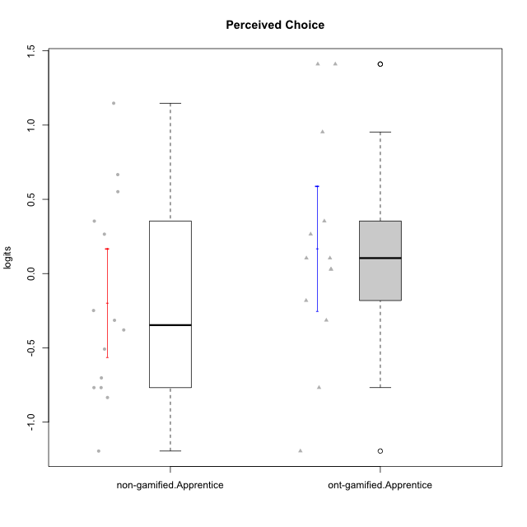

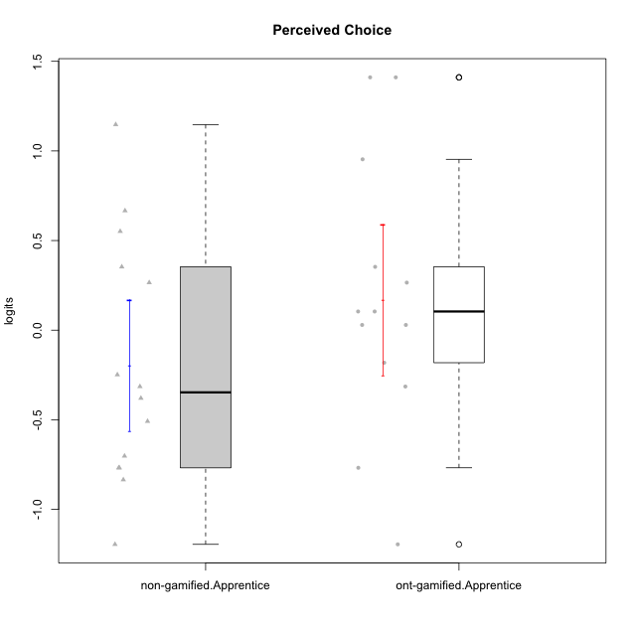

Student's t-Test data
UserID | NroUSP | Type | CLGroup | CLRole | PlayerRole | Perceived Choice | error | WLE.rel
10170 | 10260351 | ont-gamified | Grupo Afrodite | Apprentice | Yee Achiever | 0.95331964346 | 0.42106572839 | 0.80325465669
10171 | 698531 | non-gamified | Grupo Team 6 | Apprentice |  | 0.35327281741 | 0.30792780072 | 0.80325465669
10176 | 10276949 | ont-gamified | Grupo Cronus | Apprentice | Yee Achiever | 0.10416310867 | 0.2820123022 | 0.80325465669
10178 | 8656201 | ont-gamified | Grupo Morfeu | Apprentice | Yee Socializer | 0.10416310867 | 0.2820123022 | 0.80325465669
10183 | 10352030 | ont-gamified | Grupo Hélio | Apprentice | Yee Socializer | 0.029085845599 | 0.27619974376 | 0.80325465669
10185 | 10276960 | non-gamified | Grupo Team 12 | Apprentice |  | -0.37962261722 | 0.25852879651 | 0.80325465669
10186 | 10310551 | ont-gamified | Grupo Ares | Apprentice | Yee Achiever | 0.35327281741 | 0.30792780072 | 0.80325465669
10187 | 9790781 | non-gamified | Grupo Team 15 | Apprentice |  | 0.55137217852 | 0.33670150201 | 0.80325465669
10190 | 10276907 | ont-gamified | Grupo Zeus | Apprentice | Yee Socializer | 0.26531177346 | 0.29755097251 | 0.80325465669
10192 | 10276682 | non-gamified | Grupo Team 5 | Apprentice |  | -0.50851732488 | 0.25739741425 | 0.80325465669
10195 | 10351971 | ont-gamified | Grupo Urano | Apprentice | Yee Achiever | -0.1817151787 | 0.26428916246 | 0.80325465669
10196 | 10310655 | ont-gamified | Grupo Hefesto | Apprentice | Yee Achiever | -0.76798200307 | 0.26119267842 | 0.80325465669
10197 | 10276661 | ont-gamified | Grupo Gaia | Apprentice | Yee Achiever | 1.410541 | 0.56331009284 | 0.80325465669
10200 | 9795272 | ont-gamified | Grupo Hades | Apprentice | Yee Socializer | 0.029085845599 | 0.27619974376 | 0.80325465669
10202 | 10277036 | non-gamified | Grupo Team 11 | Apprentice |  | -0.83464703634 | 0.2635021367 | 0.80325465669
10203 | 9921470 | non-gamified | Grupo Team 3 | Apprentice |  | 0.66648493595 | 0.35714063589 | 0.80325465669
10208 | 10276932 | non-gamified | Grupo Team 7 | Apprentice |  | 0.26531177346 | 0.29755097251 | 0.80325465669
10210 | 10277015 | non-gamified | Grupo Team 9 | Apprentice |  | -1.1950467662 | 0.28659193583 | 0.80325465669
10220 | 9760151 | non-gamified | Grupo Team 2 | Apprentice |  | 1.1471322504 | 0.47527260967 | 0.80325465669
10221 | 9082496 | ont-gamified | Grupo Hermes | Apprentice | Yee Achiever | -0.31453153991 | 0.25987423721 | 0.80325465669
10224 | 9368772 | non-gamified | Grupo Team 10 | Apprentice |  | -0.76798200307 | 0.26119267842 | 0.80325465669
10227 | 9274382 | non-gamified | Grupo Team 4 | Apprentice |  | -0.24865992436 | 0.26177885285 | 0.80325465669
10228 | 10310492 | non-gamified | Grupo Team 14 | Apprentice |  | -0.31453153991 | 0.25987423721 | 0.80325465669
10231 | 10276911 | ont-gamified | Grupo Caronte | Apprentice | Yee Achiever | 1.410541 | 0.56331009284 | 0.80325465669
10233 | 9805320 | non-gamified | Grupo Team 16 | Apprentice |  | -0.70229875907 | 0.25946027111 | 0.80325465669
10238 | 10276953 | non-gamified | Grupo Team 13 | Apprentice |  | -0.76798200307 | 0.26119267842 | 0.80325465669
10240 | 10276654 | ont-gamified | Grupo Hera | Apprentice | Yee Achiever | -1.1950467662 | 0.28659193583 | 0.80325465669

Type_CLRole_3
Student's t-Test for Perceived Choice in Type:CLRole between non-gamified.Apprentice:ont-gamified.Master

Student's t-Test results
Alternative hypothesis: less
Group | N | Mean | Mean.Difference | Std.deviation | Std.error | CI.lower | CI.upper | df | t.value | p.value | g | magnitude
non-gamified.Apprentice | 14 | -0.19540814417 | -0.52508521324 | 0.68420593103 | 0.18286172685 | -0.56113159787 | 0.17031530954 | 25.933717014 | -2.0811408793 | 0.023718460141 | -0.76368671429 | medium
ont-gamified.Master | 14 | 0.32967706907 | 0.52508521324 | 0.65044729739 | 0.1738393525 | -0.018001635927 | 0.67735577407 | 25.933717014 | -2.0811408793 | 0.023718460141 | -0.76368671429 | medium
Alternative hypothesis: greater
Group | N | Mean | Mean.Difference | Std.deviation | Std.error | CI.lower | CI.upper | df | t.value | p.value | g | magnitude
non-gamified.Apprentice | 14 | -0.19540814417 | -0.52508521324 | 0.68420593103 | 0.18286172685 | -0.56113159787 | 0.17031530954 | 25.933717014 | -2.0811408793 | 0.97628153986 | -0.76368671429 | medium
ont-gamified.Master | 14 | 0.32967706907 | 0.52508521324 | 0.65044729739 | 0.1738393525 | -0.018001635927 | 0.67735577407 | 25.933717014 | -2.0811408793 | 0.97628153986 | -0.76368671429 | medium
Alternative hypothesis: two.sided
Group | N | Mean | Mean.Difference | Std.deviation | Std.error | CI.lower | CI.upper | df | t.value | p.value | g | magnitude
non-gamified.Apprentice | 14 | -0.19540814417 | -0.52508521324 | 0.68420593103 | 0.18286172685 | -0.56113159787 | 0.17031530954 | 25.933717014 | -2.0811408793 | 0.047436920283 | -0.76368671429 | medium
ont-gamified.Master | 14 | 0.32967706907 | 0.52508521324 | 0.65044729739 | 0.1738393525 | -0.018001635927 | 0.67735577407 | 25.933717014 | -2.0811408793 | 0.047436920283 | -0.76368671429 | medium

Box plots for Student's t-Test
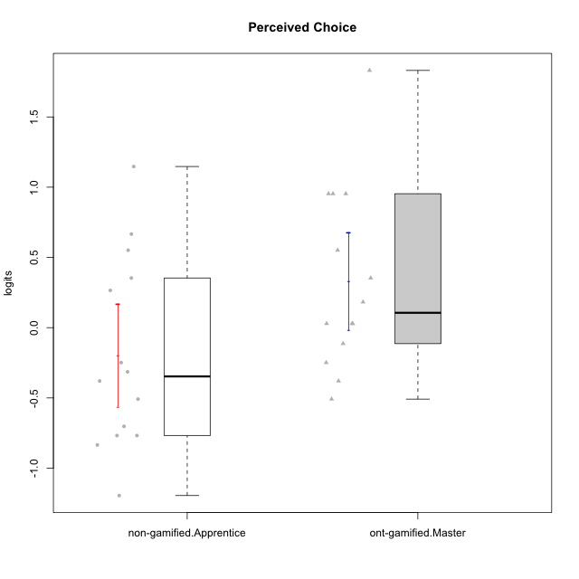

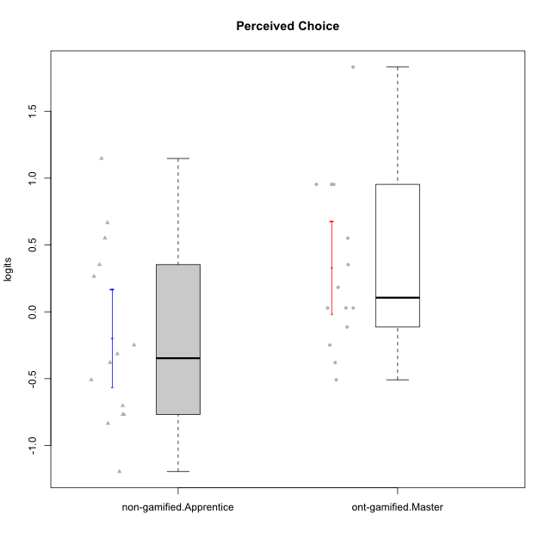

Student's t-Test data
UserID | NroUSP | Type | CLGroup | CLRole | PlayerRole | Perceived Choice | error | WLE.rel
10169 | 10377538 | ont-gamified | Grupo Hefesto | Master | Yee Achiever | 0.029085845599 | 0.27619974376 | 0.80325465669
10171 | 698531 | non-gamified | Grupo Team 6 | Apprentice |  | 0.35327281741 | 0.30792780072 | 0.80325465669
10174 | 10276852 | ont-gamified | Grupo Urano | Master | Yee Achiever | -0.37962261722 | 0.25852879651 | 0.80325465669
10175 | 10310700 | ont-gamified | Grupo Hélio | Master | Yee Socializer | 1.8311558051 | 0.73707743646 | 0.80325465669
10184 | 10276675 | ont-gamified | Grupo Apolo | Master | Yee Socializer | 0.18263151096 | 0.28903869381 | 0.80325465669
10185 | 10276960 | non-gamified | Grupo Team 12 | Apprentice |  | -0.37962261722 | 0.25852879651 | 0.80325465669
10187 | 9790781 | non-gamified | Grupo Team 15 | Apprentice |  | 0.55137217852 | 0.33670150201 | 0.80325465669
10189 | 9363926 | ont-gamified | Grupo Hades | Master | Yee Socializer | -0.11336994574 | 0.26746851871 | 0.80325465669
10192 | 10276682 | non-gamified | Grupo Team 5 | Apprentice |  | -0.50851732488 | 0.25739741425 | 0.80325465669
10193 | 10276762 | ont-gamified | Grupo Afrodite | Master | Yee Achiever | -0.24865992436 | 0.26177885285 | 0.80325465669
10201 | 10276928 | ont-gamified | Grupo Caronte | Master | Yee Achiever | 0.35327281741 | 0.30792780072 | 0.80325465669
10202 | 10277036 | non-gamified | Grupo Team 11 | Apprentice |  | -0.83464703634 | 0.2635021367 | 0.80325465669
10203 | 9921470 | non-gamified | Grupo Team 3 | Apprentice |  | 0.66648493595 | 0.35714063589 | 0.80325465669
10204 | 10310471 | ont-gamified | Grupo Hermes | Master | Yee Achiever | 0.95331964346 | 0.42106572839 | 0.80325465669
10206 | 10310721 | ont-gamified | Grupo Hera | Master | Yee Achiever | 0.95331964346 | 0.42106572839 | 0.80325465669
10208 | 10276932 | non-gamified | Grupo Team 7 | Apprentice |  | 0.26531177346 | 0.29755097251 | 0.80325465669
10210 | 10277015 | non-gamified | Grupo Team 9 | Apprentice |  | -1.1950467662 | 0.28659193583 | 0.80325465669
10213 | 10277040 | ont-gamified | Grupo Morfeu | Master | Yee Socializer | -0.50851732488 | 0.25739741425 | 0.80325465669
10215 | 9285227 | ont-gamified | Grupo Zeus | Master | Yee Socializer | 0.95331964346 | 0.42106572839 | 0.80325465669
10218 | 9842913 | ont-gamified | Grupo Ares | Master | Yee Achiever | 0.029085845599 | 0.27619974376 | 0.80325465669
10220 | 9760151 | non-gamified | Grupo Team 2 | Apprentice |  | 1.1471322504 | 0.47527260967 | 0.80325465669
10223 | 9795185 | ont-gamified | Grupo Cronus | Master | Yee Achiever | 0.55137217852 | 0.33670150201 | 0.80325465669
10224 | 9368772 | non-gamified | Grupo Team 10 | Apprentice |  | -0.76798200307 | 0.26119267842 | 0.80325465669
10227 | 9274382 | non-gamified | Grupo Team 4 | Apprentice |  | -0.24865992436 | 0.26177885285 | 0.80325465669
10228 | 10310492 | non-gamified | Grupo Team 14 | Apprentice |  | -0.31453153991 | 0.25987423721 | 0.80325465669
10232 | 10276974 | ont-gamified | Grupo Artemis | Master | Yee Achiever | 0.029085845599 | 0.27619974376 | 0.80325465669
10233 | 9805320 | non-gamified | Grupo Team 16 | Apprentice |  | -0.70229875907 | 0.25946027111 | 0.80325465669
10238 | 10276953 | non-gamified | Grupo Team 13 | Apprentice |  | -0.76798200307 | 0.26119267842 | 0.80325465669

Type_CLRole_4
Student's t-Test for Perceived Choice in Type:CLRole between non-gamified.Master:ont-gamified.Apprentice

Student's t-Test results
Alternative hypothesis: less
Group | N | Mean | Mean.Difference | Std.deviation | Std.error | CI.lower | CI.upper | df | t.value | p.value | g | magnitude
non-gamified.Master | 15 | -0.22268943254 | -0.39193625215 | 0.55194827849 | 0.1425124327 | -0.50771429795 | 0.062335432867 | 21.65568904 | -1.5439775139 | 0.068541112214 | -0.58108908771 | medium
ont-gamified.Apprentice | 13 | 0.16924681961 | 0.39193625215 | 0.75741662778 | 0.21006957603 | -0.25089233244 | 0.58938597167 | 21.65568904 | -1.5439775139 | 0.068541112214 | -0.58108908771 | medium
Alternative hypothesis: greater
Group | N | Mean | Mean.Difference | Std.deviation | Std.error | CI.lower | CI.upper | df | t.value | p.value | g | magnitude
non-gamified.Master | 15 | -0.22268943254 | -0.39193625215 | 0.55194827849 | 0.1425124327 | -0.50771429795 | 0.062335432867 | 21.65568904 | -1.5439775139 | 0.93145888779 | -0.58108908771 | medium
ont-gamified.Apprentice | 13 | 0.16924681961 | 0.39193625215 | 0.75741662778 | 0.21006957603 | -0.25089233244 | 0.58938597167 | 21.65568904 | -1.5439775139 | 0.93145888779 | -0.58108908771 | medium
Alternative hypothesis: two.sided
Group | N | Mean | Mean.Difference | Std.deviation | Std.error | CI.lower | CI.upper | df | t.value | p.value | g | magnitude
non-gamified.Master | 15 | -0.22268943254 | -0.39193625215 | 0.55194827849 | 0.1425124327 | -0.50771429795 | 0.062335432867 | 21.65568904 | -1.5439775139 | 0.13708222443 | -0.58108908771 | medium
ont-gamified.Apprentice | 13 | 0.16924681961 | 0.39193625215 | 0.75741662778 | 0.21006957603 | -0.25089233244 | 0.58938597167 | 21.65568904 | -1.5439775139 | 0.13708222443 | -0.58108908771 | medium

Box plots for Student's t-Test
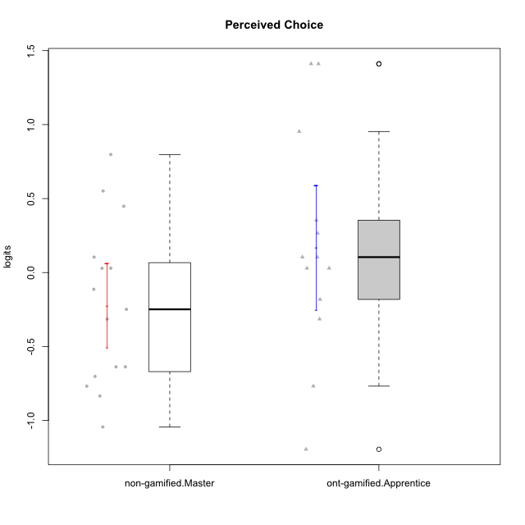

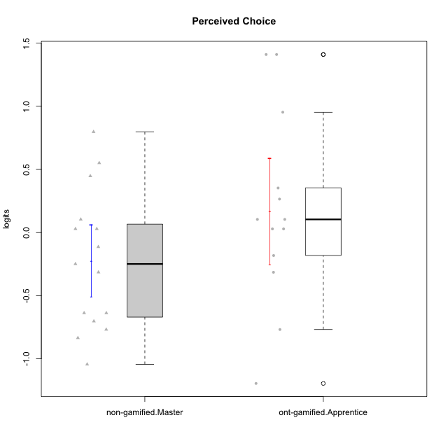

Student's t-Test data
UserID | NroUSP | Type | CLGroup | CLRole | PlayerRole | Perceived Choice | error | WLE.rel
10170 | 10260351 | ont-gamified | Grupo Afrodite | Apprentice | Yee Achiever | 0.95331964346 | 0.42106572839 | 0.80325465669
10172 | 10273971 | non-gamified | Grupo Team 1 | Master |  | -0.11336994574 | 0.26746851871 | 0.80325465669
10176 | 10276949 | ont-gamified | Grupo Cronus | Apprentice | Yee Achiever | 0.10416310867 | 0.2820123022 | 0.80325465669
10178 | 8656201 | ont-gamified | Grupo Morfeu | Apprentice | Yee Socializer | 0.10416310867 | 0.2820123022 | 0.80325465669
10179 | 10310759 | non-gamified | Grupo Team 9 | Master |  | -0.83464703634 | 0.2635021367 | 0.80325465669
10181 | 10276866 | non-gamified | Grupo Team 10 | Master |  | 0.029085845599 | 0.27619974376 | 0.80325465669
10183 | 10352030 | ont-gamified | Grupo Hélio | Apprentice | Yee Socializer | 0.029085845599 | 0.27619974376 | 0.80325465669
10186 | 10310551 | ont-gamified | Grupo Ares | Apprentice | Yee Achiever | 0.35327281741 | 0.30792780072 | 0.80325465669
10188 | 10276995 | non-gamified | Grupo Team 3 | Master |  | -0.31453153991 | 0.25987423721 | 0.80325465669
10190 | 10276907 | ont-gamified | Grupo Zeus | Apprentice | Yee Socializer | 0.26531177346 | 0.29755097251 | 0.80325465669
10191 | 10276981 | non-gamified | Grupo Team 6 | Master |  | 0.029085845599 | 0.27619974376 | 0.80325465669
10195 | 10351971 | ont-gamified | Grupo Urano | Apprentice | Yee Achiever | -0.1817151787 | 0.26428916246 | 0.80325465669
10196 | 10310655 | ont-gamified | Grupo Hefesto | Apprentice | Yee Achiever | -0.76798200307 | 0.26119267842 | 0.80325465669
10197 | 10276661 | ont-gamified | Grupo Gaia | Apprentice | Yee Achiever | 1.410541 | 0.56331009284 | 0.80325465669
10200 | 9795272 | ont-gamified | Grupo Hades | Apprentice | Yee Socializer | 0.029085845599 | 0.27619974376 | 0.80325465669
10211 | 9311643 | non-gamified | Grupo Team 2 | Master |  | -0.76798200307 | 0.26119267842 | 0.80325465669
10212 | 9065750 | non-gamified | Grupo Team 4 | Master |  | 0.55137217852 | 0.33670150201 | 0.80325465669
10214 | 10277022 | non-gamified | Grupo Team 5 | Master |  | -0.70229875907 | 0.25946027111 | 0.80325465669
10216 | 10276720 | non-gamified | Grupo Team 15 | Master |  | 0.79789412102 | 0.38406146562 | 0.80325465669
10217 | 9805341 | non-gamified | Grupo Team 13 | Master |  | 0.44795427888 | 0.32071073258 | 0.80325465669
10219 | 10276831 | non-gamified | Grupo Team 12 | Master |  | -0.63732648889 | 0.25826516533 | 0.80325465669
10221 | 9082496 | ont-gamified | Grupo Hermes | Apprentice | Yee Achiever | -0.31453153991 | 0.25987423721 | 0.80325465669
10226 | 10310342 | non-gamified | Grupo Team 8 | Master |  | -1.0437546802 | 0.27457456786 | 0.80325465669
10230 | 10351992 | non-gamified | Grupo Team 14 | Master |  | -0.24865992436 | 0.26177885285 | 0.80325465669
10231 | 10276911 | ont-gamified | Grupo Caronte | Apprentice | Yee Achiever | 1.410541 | 0.56331009284 | 0.80325465669
10234 | 10310676 | non-gamified | Grupo Team 7 | Master |  | -0.63732648889 | 0.25826516533 | 0.80325465669
10237 | 10377688 | non-gamified | Grupo Team 11 | Master |  | 0.10416310867 | 0.2820123022 | 0.80325465669
10240 | 10276654 | ont-gamified | Grupo Hera | Apprentice | Yee Achiever | -1.1950467662 | 0.28659193583 | 0.80325465669

Type_CLRole_5
Student's t-Test for Perceived Choice in Type:CLRole between non-gamified.Master:ont-gamified.Master

Student's t-Test results
Alternative hypothesis: less
Group | N | Mean | Mean.Difference | Std.deviation | Std.error | CI.lower | CI.upper | df | t.value | p.value | g | magnitude
non-gamified.Master | 15 | -0.22268943254 | -0.55236650161 | 0.55194827849 | 0.1425124327 | -0.50771429795 | 0.062335432867 | 25.60599488 | -2.4572709899 | 0.010549778401 | -0.89272976761 | large
ont-gamified.Master | 14 | 0.32967706907 | 0.55236650161 | 0.65044729739 | 0.1738393525 | -0.018001635927 | 0.67735577407 | 25.60599488 | -2.4572709899 | 0.010549778401 | -0.89272976761 | large
Alternative hypothesis: greater
Group | N | Mean | Mean.Difference | Std.deviation | Std.error | CI.lower | CI.upper | df | t.value | p.value | g | magnitude
non-gamified.Master | 15 | -0.22268943254 | -0.55236650161 | 0.55194827849 | 0.1425124327 | -0.50771429795 | 0.062335432867 | 25.60599488 | -2.4572709899 | 0.9894502216 | -0.89272976761 | large
ont-gamified.Master | 14 | 0.32967706907 | 0.55236650161 | 0.65044729739 | 0.1738393525 | -0.018001635927 | 0.67735577407 | 25.60599488 | -2.4572709899 | 0.9894502216 | -0.89272976761 | large
Alternative hypothesis: two.sided
Group | N | Mean | Mean.Difference | Std.deviation | Std.error | CI.lower | CI.upper | df | t.value | p.value | g | magnitude
non-gamified.Master | 15 | -0.22268943254 | -0.55236650161 | 0.55194827849 | 0.1425124327 | -0.50771429795 | 0.062335432867 | 25.60599488 | -2.4572709899 | 0.021099556803 | -0.89272976761 | large
ont-gamified.Master | 14 | 0.32967706907 | 0.55236650161 | 0.65044729739 | 0.1738393525 | -0.018001635927 | 0.67735577407 | 25.60599488 | -2.4572709899 | 0.021099556803 | -0.89272976761 | large

Box plots for Student's t-Test


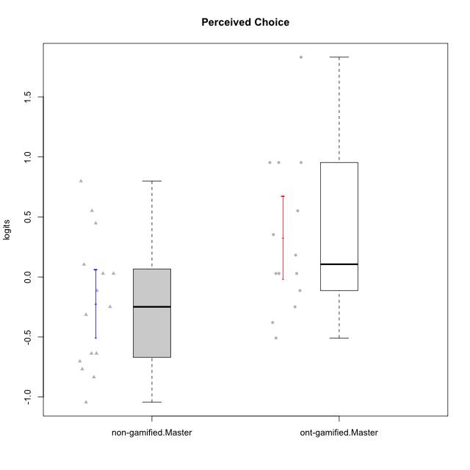

Student's t-Test data
UserID | NroUSP | Type | CLGroup | CLRole | PlayerRole | Perceived Choice | error | WLE.rel
10169 | 10377538 | ont-gamified | Grupo Hefesto | Master | Yee Achiever | 0.029085845599 | 0.27619974376 | 0.80325465669
10172 | 10273971 | non-gamified | Grupo Team 1 | Master |  | -0.11336994574 | 0.26746851871 | 0.80325465669
10174 | 10276852 | ont-gamified | Grupo Urano | Master | Yee Achiever | -0.37962261722 | 0.25852879651 | 0.80325465669
10175 | 10310700 | ont-gamified | Grupo Hélio | Master | Yee Socializer | 1.8311558051 | 0.73707743646 | 0.80325465669
10179 | 10310759 | non-gamified | Grupo Team 9 | Master |  | -0.83464703634 | 0.2635021367 | 0.80325465669
10181 | 10276866 | non-gamified | Grupo Team 10 | Master |  | 0.029085845599 | 0.27619974376 | 0.80325465669
10184 | 10276675 | ont-gamified | Grupo Apolo | Master | Yee Socializer | 0.18263151096 | 0.28903869381 | 0.80325465669
10188 | 10276995 | non-gamified | Grupo Team 3 | Master |  | -0.31453153991 | 0.25987423721 | 0.80325465669
10189 | 9363926 | ont-gamified | Grupo Hades | Master | Yee Socializer | -0.11336994574 | 0.26746851871 | 0.80325465669
10191 | 10276981 | non-gamified | Grupo Team 6 | Master |  | 0.029085845599 | 0.27619974376 | 0.80325465669
10193 | 10276762 | ont-gamified | Grupo Afrodite | Master | Yee Achiever | -0.24865992436 | 0.26177885285 | 0.80325465669
10201 | 10276928 | ont-gamified | Grupo Caronte | Master | Yee Achiever | 0.35327281741 | 0.30792780072 | 0.80325465669
10204 | 10310471 | ont-gamified | Grupo Hermes | Master | Yee Achiever | 0.95331964346 | 0.42106572839 | 0.80325465669
10206 | 10310721 | ont-gamified | Grupo Hera | Master | Yee Achiever | 0.95331964346 | 0.42106572839 | 0.80325465669
10211 | 9311643 | non-gamified | Grupo Team 2 | Master |  | -0.76798200307 | 0.26119267842 | 0.80325465669
10212 | 9065750 | non-gamified | Grupo Team 4 | Master |  | 0.55137217852 | 0.33670150201 | 0.80325465669
10213 | 10277040 | ont-gamified | Grupo Morfeu | Master | Yee Socializer | -0.50851732488 | 0.25739741425 | 0.80325465669
10214 | 10277022 | non-gamified | Grupo Team 5 | Master |  | -0.70229875907 | 0.25946027111 | 0.80325465669
10215 | 9285227 | ont-gamified | Grupo Zeus | Master | Yee Socializer | 0.95331964346 | 0.42106572839 | 0.80325465669
10216 | 10276720 | non-gamified | Grupo Team 15 | Master |  | 0.79789412102 | 0.38406146562 | 0.80325465669
10217 | 9805341 | non-gamified | Grupo Team 13 | Master |  | 0.44795427888 | 0.32071073258 | 0.80325465669
10218 | 9842913 | ont-gamified | Grupo Ares | Master | Yee Achiever | 0.029085845599 | 0.27619974376 | 0.80325465669
10219 | 10276831 | non-gamified | Grupo Team 12 | Master |  | -0.63732648889 | 0.25826516533 | 0.80325465669
10223 | 9795185 | ont-gamified | Grupo Cronus | Master | Yee Achiever | 0.55137217852 | 0.33670150201 | 0.80325465669
10226 | 10310342 | non-gamified | Grupo Team 8 | Master |  | -1.0437546802 | 0.27457456786 | 0.80325465669
10230 | 10351992 | non-gamified | Grupo Team 14 | Master |  | -0.24865992436 | 0.26177885285 | 0.80325465669
10232 | 10276974 | ont-gamified | Grupo Artemis | Master | Yee Achiever | 0.029085845599 | 0.27619974376 | 0.80325465669
10234 | 10310676 | non-gamified | Grupo Team 7 | Master |  | -0.63732648889 | 0.25826516533 | 0.80325465669
10237 | 10377688 | non-gamified | Grupo Team 11 | Master |  | 0.10416310867 | 0.2820123022 | 0.80325465669

Type_CLRole_6
Student's t-Test for Perceived Choice in Type:CLRole between ont-gamified.Apprentice:ont-gamified.Master

Student's t-Test results
Alternative hypothesis: less
Group | N | Mean | Mean.Difference | Std.deviation | Std.error | CI.lower | CI.upper | df | t.value | p.value | g | magnitude
ont-gamified.Apprentice | 13 | 0.16924681961 | -0.16043024946 | 0.75741662778 | 0.21006957603 | -0.25089233244 | 0.58938597167 | 23.772237043 | -0.58836614994 | 0.28091774934 | -0.22103342307 | small
ont-gamified.Master | 14 | 0.32967706907 | 0.16043024946 | 0.65044729739 | 0.1738393525 | -0.018001635927 | 0.67735577407 | 23.772237043 | -0.58836614994 | 0.28091774934 | -0.22103342307 | small
Alternative hypothesis: greater
Group | N | Mean | Mean.Difference | Std.deviation | Std.error | CI.lower | CI.upper | df | t.value | p.value | g | magnitude
ont-gamified.Apprentice | 13 | 0.16924681961 | -0.16043024946 | 0.75741662778 | 0.21006957603 | -0.25089233244 | 0.58938597167 | 23.772237043 | -0.58836614994 | 0.71908225066 | -0.22103342307 | small
ont-gamified.Master | 14 | 0.32967706907 | 0.16043024946 | 0.65044729739 | 0.1738393525 | -0.018001635927 | 0.67735577407 | 23.772237043 | -0.58836614994 | 0.71908225066 | -0.22103342307 | small
Alternative hypothesis: two.sided
Group | N | Mean | Mean.Difference | Std.deviation | Std.error | CI.lower | CI.upper | df | t.value | p.value | g | magnitude
ont-gamified.Apprentice | 13 | 0.16924681961 | -0.16043024946 | 0.75741662778 | 0.21006957603 | -0.25089233244 | 0.58938597167 | 23.772237043 | -0.58836614994 | 0.56183549867 | -0.22103342307 | small
ont-gamified.Master | 14 | 0.32967706907 | 0.16043024946 | 0.65044729739 | 0.1738393525 | -0.018001635927 | 0.67735577407 | 23.772237043 | -0.58836614994 | 0.56183549867 | -0.22103342307 | small

Box plots for Student's t-Test
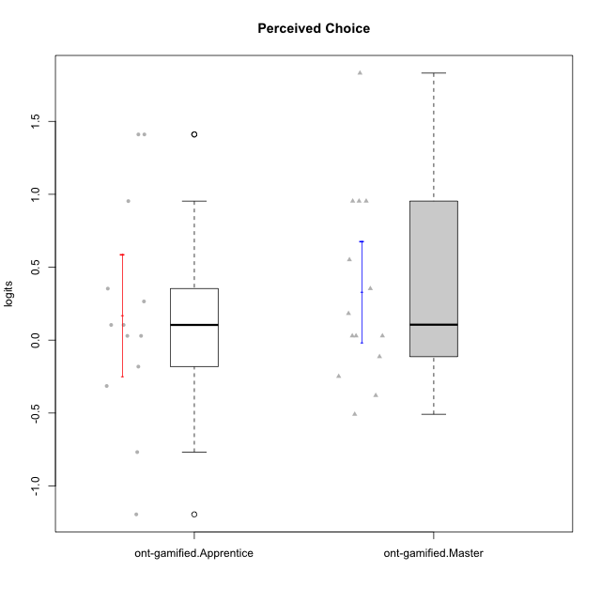

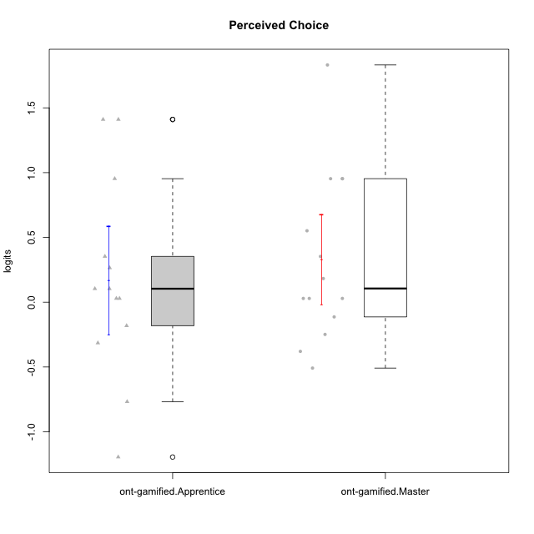

Student's t-Test data
UserID | NroUSP | Type | CLGroup | CLRole | PlayerRole | Perceived Choice | error | WLE.rel
10169 | 10377538 | ont-gamified | Grupo Hefesto | Master | Yee Achiever | 0.029085845599 | 0.27619974376 | 0.80325465669
10170 | 10260351 | ont-gamified | Grupo Afrodite | Apprentice | Yee Achiever | 0.95331964346 | 0.42106572839 | 0.80325465669
10174 | 10276852 | ont-gamified | Grupo Urano | Master | Yee Achiever | -0.37962261722 | 0.25852879651 | 0.80325465669
10175 | 10310700 | ont-gamified | Grupo Hélio | Master | Yee Socializer | 1.8311558051 | 0.73707743646 | 0.80325465669
10176 | 10276949 | ont-gamified | Grupo Cronus | Apprentice | Yee Achiever | 0.10416310867 | 0.2820123022 | 0.80325465669
10178 | 8656201 | ont-gamified | Grupo Morfeu | Apprentice | Yee Socializer | 0.10416310867 | 0.2820123022 | 0.80325465669
10183 | 10352030 | ont-gamified | Grupo Hélio | Apprentice | Yee Socializer | 0.029085845599 | 0.27619974376 | 0.80325465669
10184 | 10276675 | ont-gamified | Grupo Apolo | Master | Yee Socializer | 0.18263151096 | 0.28903869381 | 0.80325465669
10186 | 10310551 | ont-gamified | Grupo Ares | Apprentice | Yee Achiever | 0.35327281741 | 0.30792780072 | 0.80325465669
10189 | 9363926 | ont-gamified | Grupo Hades | Master | Yee Socializer | -0.11336994574 | 0.26746851871 | 0.80325465669
10190 | 10276907 | ont-gamified | Grupo Zeus | Apprentice | Yee Socializer | 0.26531177346 | 0.29755097251 | 0.80325465669
10193 | 10276762 | ont-gamified | Grupo Afrodite | Master | Yee Achiever | -0.24865992436 | 0.26177885285 | 0.80325465669
10195 | 10351971 | ont-gamified | Grupo Urano | Apprentice | Yee Achiever | -0.1817151787 | 0.26428916246 | 0.80325465669
10196 | 10310655 | ont-gamified | Grupo Hefesto | Apprentice | Yee Achiever | -0.76798200307 | 0.26119267842 | 0.80325465669
10197 | 10276661 | ont-gamified | Grupo Gaia | Apprentice | Yee Achiever | 1.410541 | 0.56331009284 | 0.80325465669
10200 | 9795272 | ont-gamified | Grupo Hades | Apprentice | Yee Socializer | 0.029085845599 | 0.27619974376 | 0.80325465669
10201 | 10276928 | ont-gamified | Grupo Caronte | Master | Yee Achiever | 0.35327281741 | 0.30792780072 | 0.80325465669
10204 | 10310471 | ont-gamified | Grupo Hermes | Master | Yee Achiever | 0.95331964346 | 0.42106572839 | 0.80325465669
10206 | 10310721 | ont-gamified | Grupo Hera | Master | Yee Achiever | 0.95331964346 | 0.42106572839 | 0.80325465669
10213 | 10277040 | ont-gamified | Grupo Morfeu | Master | Yee Socializer | -0.50851732488 | 0.25739741425 | 0.80325465669
10215 | 9285227 | ont-gamified | Grupo Zeus | Master | Yee Socializer | 0.95331964346 | 0.42106572839 | 0.80325465669
10218 | 9842913 | ont-gamified | Grupo Ares | Master | Yee Achiever | 0.029085845599 | 0.27619974376 | 0.80325465669
10221 | 9082496 | ont-gamified | Grupo Hermes | Apprentice | Yee Achiever | -0.31453153991 | 0.25987423721 | 0.80325465669
10223 | 9795185 | ont-gamified | Grupo Cronus | Master | Yee Achiever | 0.55137217852 | 0.33670150201 | 0.80325465669
10231 | 10276911 | ont-gamified | Grupo Caronte | Apprentice | Yee Achiever | 1.410541 | 0.56331009284 | 0.80325465669
10232 | 10276974 | ont-gamified | Grupo Artemis | Master | Yee Achiever | 0.029085845599 | 0.27619974376 | 0.80325465669
10240 | 10276654 | ont-gamified | Grupo Hera | Apprentice | Yee Achiever | -1.1950467662 | 0.28659193583 | 0.80325465669

