Global-info
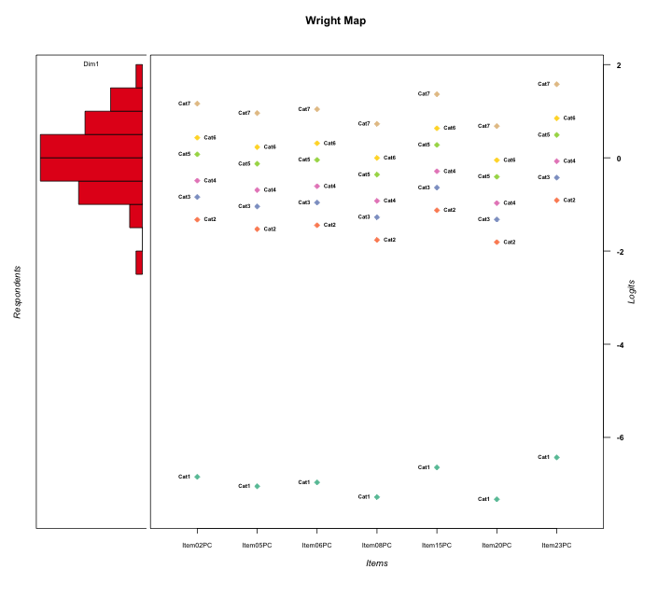
Global information for a measurement model

Information
Number.of.items | Deviance | Log.Likelihood | Number.of.persons | EAP.rel | n.theta.nodes | irt.model
7 | 1354.1518605 | -677.07593027 | 60 | 0.85419131519 | 21 | RSM

Global fit statistic MADaQ3 and test fit
MADaQ3 | maxaQ3 | p
0.096254143497 | 0.31053730424 | 0.40009920647

Test statistic of global fit based on Chi square
maxX2 | Npairs | p.holm
63.858483049 | 21 | 1

Model fit statistics
X100.MADCOV | SRMR | SRMSR
32.010890085 | 0.087011023275 | 0.11018138486

Chi square tests for every item pairs
index1 | index2 | maxK1 | maxK2 | df | chi2 | p | p.holm
1 | 2 | 7 | 7 | 49 | 54.478810445 | 0.27396347882 | 1
1 | 3 | 7 | 7 | 49 | 44.569663507 | 0.65315435159 | 1
1 | 4 | 7 | 7 | 49 | 52.492160442 | 0.34026794062 | 1
1 | 5 | 7 | 7 | 49 | 30.995374681 | 0.97915292532 | 1
1 | 6 | 7 | 7 | 49 | 49.500847093 | 0.45312363941 | 1
1 | 7 | 7 | 7 | 49 | 45.630739546 | 0.61052025491 | 1
2 | 3 | 7 | 7 | 49 | 63.858483049 | 0.075315735242 | 1
2 | 4 | 7 | 7 | 49 | 63.562290103 | 0.078950076021 | 1
2 | 5 | 7 | 7 | 49 | 48.099741125 | 0.5095702063 | 1
2 | 6 | 7 | 7 | 49 | 55.348336036 | 0.24755060017 | 1
2 | 7 | 7 | 7 | 49 | 36.274782887 | 0.91123294662 | 1
3 | 4 | 7 | 7 | 49 | 42.104899362 | 0.74663091238 | 1
3 | 5 | 7 | 7 | 49 | 46.623244279 | 0.57001038965 | 1
3 | 6 | 7 | 7 | 49 | 38.118630171 | 0.86955868096 | 1
3 | 7 | 7 | 7 | 49 | 55.110504778 | 0.25461025916 | 1
4 | 5 | 7 | 7 | 49 | 48.151567304 | 0.50745927695 | 1
4 | 6 | 7 | 7 | 49 | 53.162200777 | 0.31702145814 | 1
4 | 7 | 7 | 7 | 49 | 45.465057421 | 0.61723612982 | 1
5 | 6 | 7 | 7 | 49 | 40.1009372 | 0.81366602711 | 1
5 | 7 | 7 | 7 | 49 | 38.58499001 | 0.85742162801 | 1
6 | 7 | 7 | 7 | 49 | 27.492872067 | 0.99444552518 | 1

Item residuals
Item02PC | Item05PC | Item06PC | Item08PC | Item15PC | Item20PC | Item23PC
-0.98647251204 | 0.63279794843 | -3.2170642605 | 0.25639300424 | 1.4280711351 | 0.18813752214 | 1.8932570492
-0.1742703781 | 0.64510532845 | 0.71367158302 | -0.51385500962 | 0.050596494104 | -0.54100345547 | 1.3440935468
0.46219260367 | 1.1646327983 | 0.28006367141 | 0.88506817237 | -0.19448586384 | 0.83572159117 | -2.7834536596
-0.80495241572 | -2.2027173323 | 0.95493127884 | -0.60310330169 | 1.6210766488 | -0.67659770115 | 1.09105305
-0.1415048364 | -0.57110691335 | -0.39757991003 | -0.035489062754 | 0.29191337831 | -0.12512499251 | 0.74242795918
0.48440344421 | 0.37999613401 | 0.41941397164 | 0.28915594103 | 0.61779750515 | 0.27365424419 | -0.20020485215
-2.087999995 | 0.54489096808 | 1.6892734001 | 1.1850607753 | 1.3154484169 | 0.1201339782 | -2.2270597905
-1.087999995 | -0.45510903192 | 0.68927340012 | 1.1850607753 | 0.31544841687 | -0.8798660218 | 0.77294020947
-1.3574970759 | -0.79171722438 | -0.61271882715 | -0.29711039809 | 0.0518563868 | 0.60055315281 | 0.44850236713
1.013527488 | -3.3672020516 | 1.7829357395 | -0.74360699576 | 1.4280711351 | 0.18813752214 | -0.10674295083
0.013527487964 | -0.36720205157 | 0.78293573949 | -1.7436069958 | 1.4280711351 | 0.18813752214 | -0.10674295083
-2.2159483376 | 1.4359197971 | 1.5723634346 | 1.0983607474 | -0.82857907182 | 0.037801434043 | -0.38307029783
-0.1415048364 | -1.5711069134 | 0.60242008997 | -0.035489062754 | 0.29191337831 | -0.12512499251 | 0.74242795918
0.46219260367 | -1.8353672017 | -1.7199363286 | 0.88506817237 | 1.8055141362 | 0.83572159117 | 0.21654634045
1.1688916624 | -1.0797215867 | 1.0156294415 | -1.3052238003 | -1.5328562352 | 0.65569978237 | 1.8393248132
0.65657662166 | -1.7643347585 | 0.40474192191 | -0.2100436892 | 1.0888665692 | -1.2948751337 | 0.54648851273
-0.80495241572 | -0.20271733233 | 0.95493127884 | 1.3968966983 | -1.3789233512 | 1.3234022988 | -1.90894695
-1.3708753605 | 1.3050149049 | 1.4314571164 | -1.0048201128 | 1.9957512449 | -1.0600006424 | -0.57472159051
1.013527488 | 0.63279794843 | 0.78293573949 | -0.74360699576 | -2.5719288649 | 1.1881375221 | -0.10674295083
2.1877587689 | 2.7451244737 | -3.074547332 | 2.2514501404 | -2.3781352305 | -2.845813227 | 1.0596852753
1.4672705041 | -0.94509350356 | -1.7803435813 | -0.3729554534 | -1.1019357523 | 0.54676721628 | 1.3618951148
-0.68735549554 | -1.0920863354 | -0.93111920109 | 1.4951453051 | -0.25851925489 | 0.41865545178 | 0.2096020774
-1.4676287329 | -1.9089055644 | 3.2724536035 | -0.41693385599 | -2.0474050407 | -0.51908365925 | 1.3636893342
0.59156787567 | 0.46292701135 | -0.48844173092 | 0.35077416438 | 0.75473871725 | 0.33165339151 | -0.025677565561
0.38709927205 | 0.30474380191 | 0.33582294762 | 0.23304356336 | 0.49274740095 | 0.22077948543 | 0.63834024952
0.38709927205 | 0.30474380191 | 0.33582294762 | 0.23304356336 | 0.49274740095 | 0.22077948543 | 0.63834024952
1.013527488 | -0.36720205157 | 0.78293573949 | -0.74360699576 | -0.57192886492 | 0.18813752214 | -0.10674295083
0.46219260367 | 1.1646327983 | -0.71993632859 | -0.11493182763 | 0.80551413616 | 0.83572159117 | -1.7834536596
-2.3574970759 | 0.20828277562 | 0.38728117285 | -1.2971103981 | 1.0518563868 | -0.39944684719 | 0.44850236713
1.0513860891 | 0.82433535135 | 0.91103896638 | 0.62111029418 | 1.3278618909 | 0.5861365023 | -4.3214470101
-0.1742703781 | 0.64510532845 | -2.286328417 | 0.48614499038 | 1.0505964941 | 0.45899654453 | 1.3440935468
0.8257296219 | 0.64510532845 | 0.71367158302 | -0.51385500962 | 0.050596494104 | -0.54100345547 | 0.34409354685
-1.3708753605 | 1.3050149049 | -1.5685428836 | 0.99517988723 | 0.99575124493 | -0.06000064244 | 0.42527840949
-0.94103099524 | 1.7996619481 | -1.088443352 | -1.5585840603 | -0.73161332638 | 0.36042720523 | -0.55615182765
-0.5589650831 | 0.069379343851 | 0.22651294293 | -0.40351032354 | -0.23849754421 | -0.50455555527 | 0.045076658145
-2.4676287329 | -0.90890556436 | -1.7275463965 | 0.58306614401 | -1.0474050407 | 1.4809163407 | 2.3636893342
-0.83110833759 | 0.9202784133 | -0.9843705585 | 0.69477619972 | 1.4671437648 | 0.65569978237 | -1.1606751868
0.18775876893 | -0.25487552629 | 2.925452668 | -0.74854985965 | -2.3781352305 | 1.154186773 | -0.94031472467
0.44892374241 | 0.0036815961836 | 0.18626803652 | -0.50483418902 | -0.12395580146 | -0.6065549992 | -0.70314154559
0.8257296219 | -0.35489467155 | 0.71367158302 | 0.48614499038 | 1.0505964941 | 0.45899654453 | -1.6559064532
0.94023063499 | 0.73531793139 | 0.81330880627 | 0.55368918416 | -1.8072664417 | -1.4774204577 | 1.5176495868
0.30472004698 | -1.9671057288 | 1.137714185 | 0.78217320824 | 1.6248651154 | -0.26165823818 | -0.98335123952
1.013527488 | -0.36720205157 | -1.2170642605 | 1.2563930042 | 0.42807113508 | 0.18813752214 | -1.1067429508
2.3758152764 | -3.0708212578 | 0.111995696 | 0.42250337353 | 0.8069572137 | 0.32159006796 | -1.7655688447
0.70730513391 | 0.55272908237 | -2.3887241128 | 0.41742946995 | 0.9016122449 | 0.39435592708 | 1.1590897775
0.65657662166 | 1.2356652415 | -0.59525807809 | 1.7899563108 | 0.088866569165 | -1.2948751337 | -2.4535114873
-0.82022542972 | -0.051552116913 | 0.04876691996 | -1.3780153861 | -0.63616678758 | -0.45292578835 | 0.51658087943
0.16889166241 | -0.0797215867 | 0.015629441498 | 0.69477619972 | 0.4671437648 | -1.3443002176 | 0.83932481319
0.53237126712 | 3.0910944356 | 0.27245360352 | -3.416933856 | -2.0474050407 | 0.48091634075 | -0.63631066577
-0.85235745204 | -1.2488361398 | 0.91712929053 | -0.73610329671 | -0.49789856135 | 2.1618713499 | -1.1719747497
0.46727050414 | 1.0549064964 | -0.78034358128 | -0.3729554534 | -1.1019357523 | 0.54676721628 | -0.63810488522
-1.3434233783 | -0.76433475851 | 0.40474192191 | 0.7899563108 | 1.0888665692 | -0.29487513367 | -0.45351148727
1.4672705041 | 0.054906496436 | 2.2196564187 | -2.3729554534 | -0.10193575234 | -2.4532327837 | 0.36189511478
0.59156787567 | -0.53707298865 | 0.51155826908 | 0.35077416438 | -0.24526128275 | 0.33165339151 | 0.97432243444
1.013527488 | -0.36720205157 | -1.2170642605 | 0.25639300424 | -0.57192886492 | 1.1881375221 | -0.10674295083
-2.5510762576 | 2.0036815962 | 1.1862680365 | 0.49516581098 | -1.1239558015 | -1.6065549992 | 0.29685845441
2.3758152764 | -2.0708212578 | -0.888004304 | -0.57749662647 | -1.1930427863 | 0.32159006796 | 1.2344311553
-0.087999994954 | 1.5448909681 | -2.3107265999 | 0.18506077531 | 1.3154484169 | 0.1201339782 | -0.22705979053
0.53237126712 | -0.90890556436 | -0.72754639648 | -0.41693385599 | -2.0474050407 | 1.4809163407 | 0.36368933423
-0.5589650831 | 3.0693793439 | -1.7734870571 | -0.40351032354 | -1.2384975442 | -2.5045555553 | 2.0450766581

Wright Map for Item Response Models

Estimate-Items
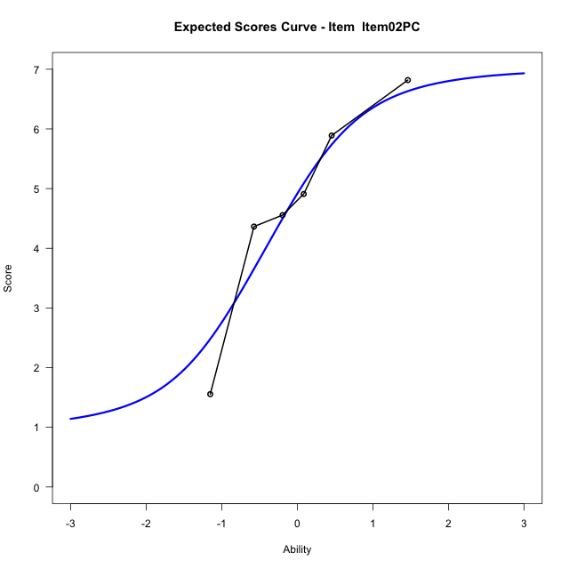
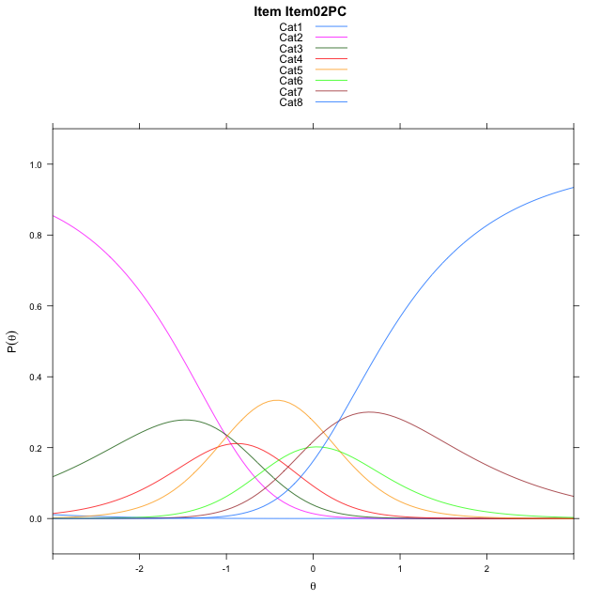
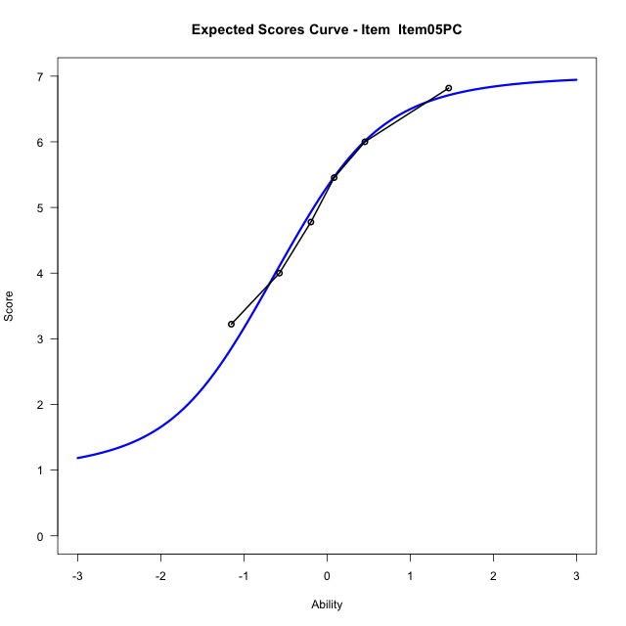
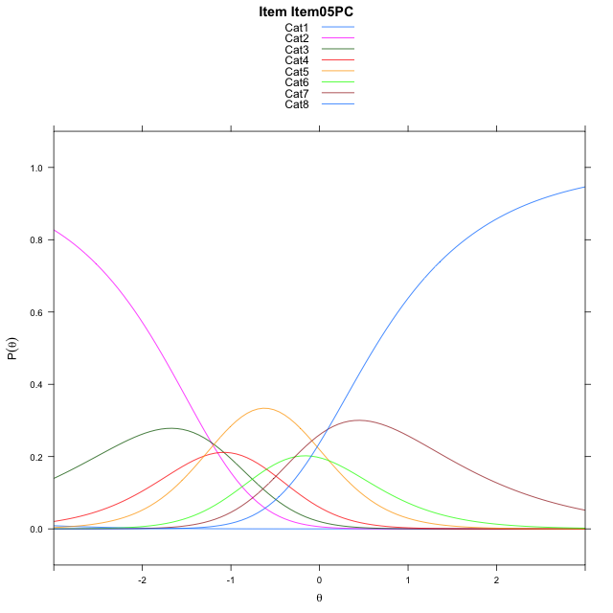
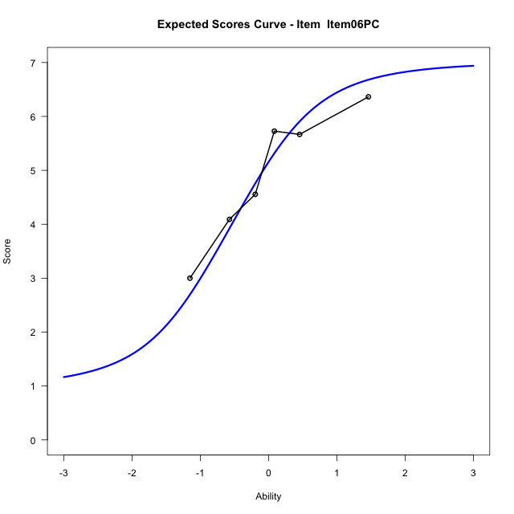
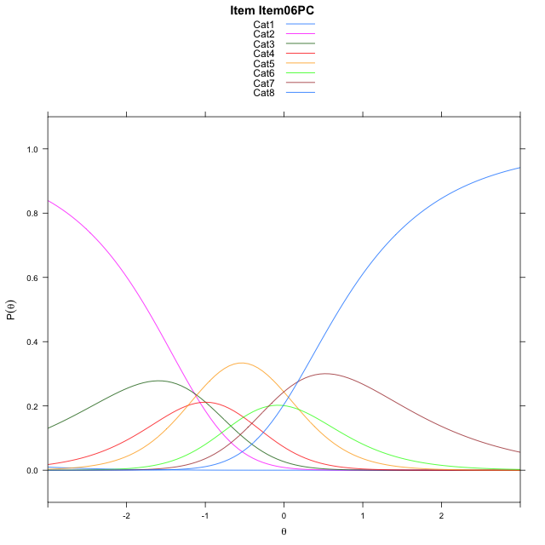
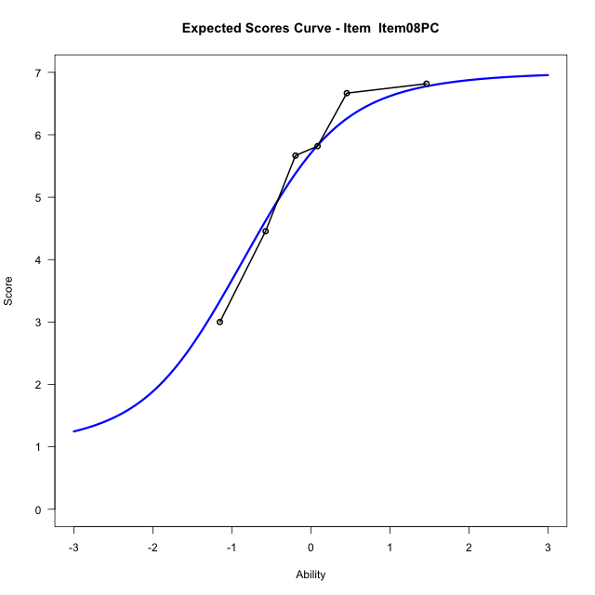
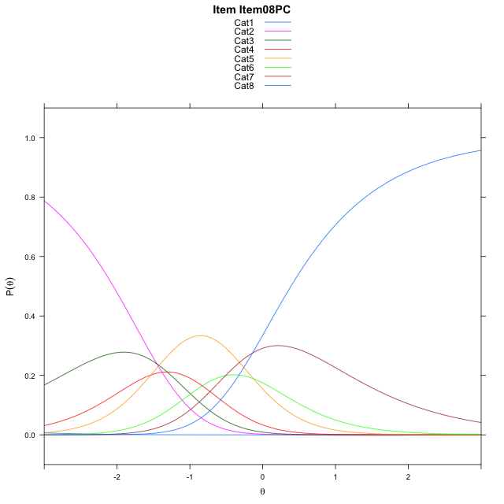
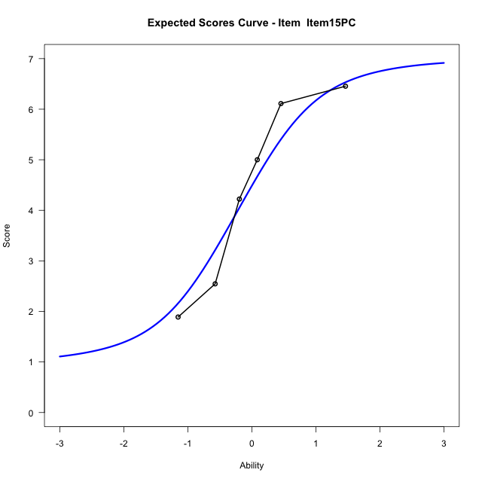
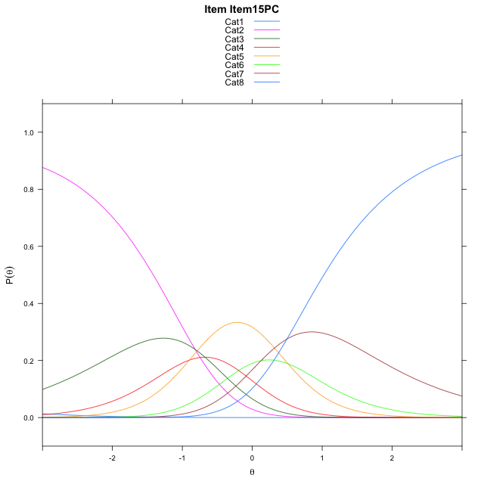
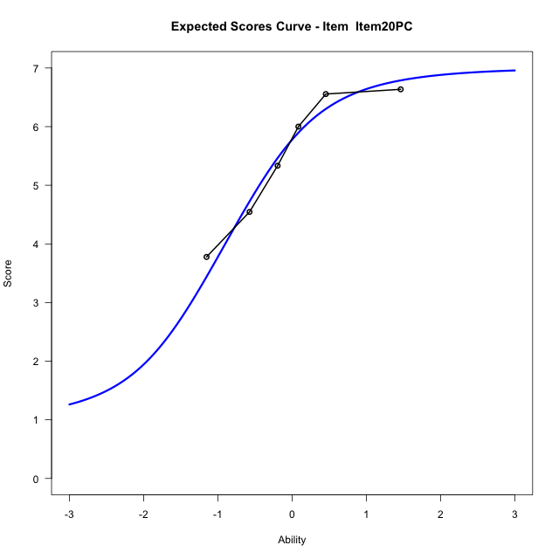

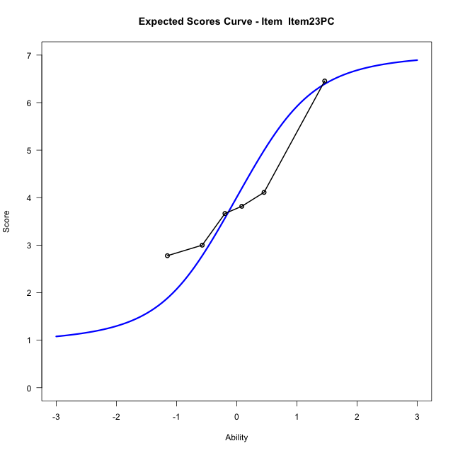
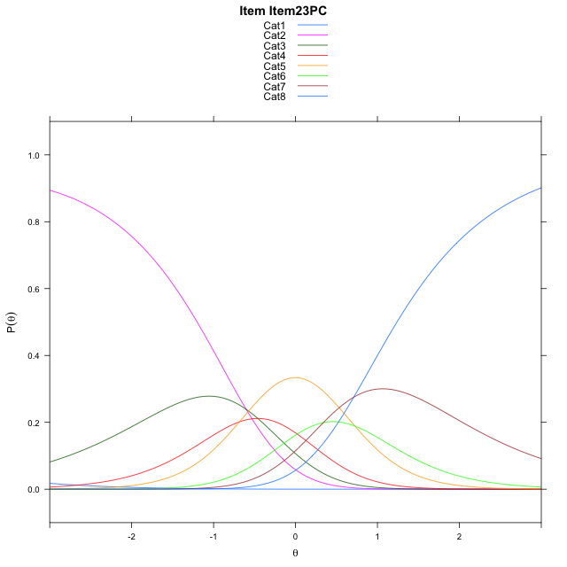
Estimate items information for the measurement model

Full Item Information
item | N | M | xsi.item | AXsi_.Cat1 | AXsi_.Cat2 | AXsi_.Cat3 | AXsi_.Cat4 | AXsi_.Cat5 | AXsi_.Cat6 | AXsi_.Cat7 | B.Cat1.Dim1 | B.Cat2.Dim1 | B.Cat3.Dim1 | B.Cat4.Dim1 | B.Cat5.Dim1 | B.Cat6.Dim1 | B.Cat7.Dim1
Item02PC | 60 | 4.75 | -1.4030548757 | -7.3534216512 | -8.3719367693 | -9.2495204539 | -10.349862203 | -10.041039532 | -10.117187452 | -9.82138413 | 1 | 2 | 3 | 4 | 5 | 6 | 7
Item05PC | 60 | 5.0833333333 | -1.6055497611 | -7.5559165366 | -8.7769265401 | -9.85700511 | -11.159841745 | -11.053513959 | -11.332156764 | -11.238848328 | 1 | 2 | 3 | 4 | 5 | 6 | 7
Item06PC | 60 | 4.95 | -1.5228981433 | -7.4732649188 | -8.6116233045 | -9.6090502566 | -10.829235273 | -10.64025587 | -10.836247057 | -10.660287003 | 1 | 2 | 3 | 4 | 5 | 6 | 7
Item08PC | 60 | 5.4333333333 | -1.837561456 | -7.7879282316 | -9.24094993 | -10.553040195 | -12.087888524 | -12.213572433 | -12.724226934 | -12.862930192 | 1 | 2 | 3 | 4 | 5 | 6 | 7
Item15PC | 60 | 4.4 | -1.2017575027 | -7.1521242782 | -7.9693420232 | -8.6456283348 | -9.5446727109 | -9.0345526666 | -8.9094032134 | -8.4123025187 | 1 | 2 | 3 | 4 | 5 | 6 | 7
Item20PC | 60 | 5.5 | -1.8850307149 | -7.8353974904 | -9.3358884476 | -10.695447971 | -12.27776556 | -12.450918728 | -13.009042487 | -13.195215004 | 1 | 2 | 3 | 4 | 5 | 6 | 7
Item23PC | 60 | 4.0166666667 | -0.98703626593 | -6.9374030414 | -7.5398995497 | -8.0014646245 | -8.6857877639 | -7.9609464828 | -7.6210757929 | -6.9092538615 | 1 | 2 | 3 | 4 | 5 | 6 | 7

Thurstonian Thresholds (category-wise)
 | Cat1 | Cat2 | Cat3 | Cat4 | Cat5 | Cat6 | Cat7
Item02PC | -7.3558044434 | -1.6132507324 | -1.0558776855 | -0.69808959961 | -0.13577270508 | 0.20608520508 | 0.82205200195
Item05PC | -7.5581359863 | -1.8155822754 | -1.258392334 | -0.90042114258 | -0.33810424805 | 0.0037536621094 | 0.61953735352
Item06PC | -7.4755554199 | -1.733001709 | -1.1756286621 | -0.81784057617 | -0.25552368164 | 0.086334228516 | 0.70230102539
Item08PC | -7.7903137207 | -2.0477600098 | -1.4903869629 | -1.132598877 | -0.57028198242 | -0.22842407227 | 0.38754272461
Item15PC | -7.1542053223 | -1.4116516113 | -0.85446166992 | -0.49649047852 | 0.065826416016 | 0.40768432617 | 1.0234680176
Item20PC | -7.8377380371 | -2.0951843262 | -1.5379943848 | -1.1800231934 | -0.61770629883 | -0.27584838867 | 0.33993530273
Item23PC | -6.9396057129 | -1.197052002 | -0.63967895508 | -0.28189086914 | 0.28060913086 | 0.62228393555 | 1.2382507324

Thurstonian Thresholds (item-wise)
 | Threshold
Item02PC | -0.64732950993
Item05PC | -0.85553849879
Item06PC | -0.77310103088
Item08PC | -1.0797648809
Item15PC | -0.4452373455
Item20PC | -1.1258203912
Item23PC | -0.23729025507

Item Infit/Outfit Statistic
parameter | Outfit | Outfit_t | Outfit_p | Outfit_pholm | Infit | Infit_t | Infit_p | Infit_pholm
Item02PC | 0.83845456019 | -0.82938779823 | 0.40688500372 | 1 | 0.89786877178 | -0.55546656294 | 0.57857557479 | 1
Item05PC | 1.18964614 | 0.91080090653 | 0.36240028476 | 1 | 1.244631531 | 1.2897237879 | 0.19714657726 | 1
Item06PC | 1.3308064935 | 1.5056540072 | 0.13215601653 | 1 | 1.2187018899 | 1.180692422 | 0.23772493302 | 1
Item08PC | 0.78363070117 | -0.98027543405 | 0.32695017753 | 1 | 0.81900715978 | -0.96051809168 | 0.3367945301 | 1
Item15PC | 0.9136200957 | -0.43481144776 | 0.66369929479 | 1 | 0.94281644053 | -0.29530657125 | 0.76775969712 | 1
Item20PC | 0.79738711339 | -0.91017403627 | 0.36273073449 | 1 | 0.77429153498 | -1.2290077593 | 0.21906889682 | 1
Item23PC | 1.0848004409 | 0.46692842629 | 0.64055108674 | 1 | 1.0202643065 | 0.15425049553 | 0.8774122289 | 1
Cat1 | 1.2752028896 | 0.8102488566 | 0.41779716287 | 1 | 1.4552100985 | 6.1656255739 | 7.0205029839E-10 | 6.3184526855E-09
Cat2 | 1.559890234 | 1.0986279813 | 0.27193036755 | 1 | 1.5936176745 | 9.0183955614 | 1.9086404553E-19 | 1.9086404553E-18
Cat3 | 1.5940896784 | 1.4960459226 | 0.13464168852 | 1 | 1.608709497 | 11.610969563 | 3.6248188001E-31 | 4.7122644402E-30
Cat4 | 1.3340494161 | 1.0082187776 | 0.31334944524 | 1 | 1.3464296783 | 9.6851515438 | 3.4869102374E-22 | 3.8356012611E-21
Cat5 | 1.3955448181 | 0.71007970712 | 0.47765470956 | 1 | 1.4269969772 | 10.133302155 | 3.9314375852E-24 | 4.7177251023E-23
Cat6 | 1.3435312607 | 0.96435768379 | 0.33486662996 | 1 | 1.4219218868 | 5.2236626759 | 1.7541821449E-07 | 1.4033457159E-06

Box plot of expected curves

