Assumptions
ANOVA assumptions for Pressure/Tension

Shapiro-Wilk normality test for Pressure/Tension
W | p.value
0.9642301678 | 0.33887170311

Plots for normality test
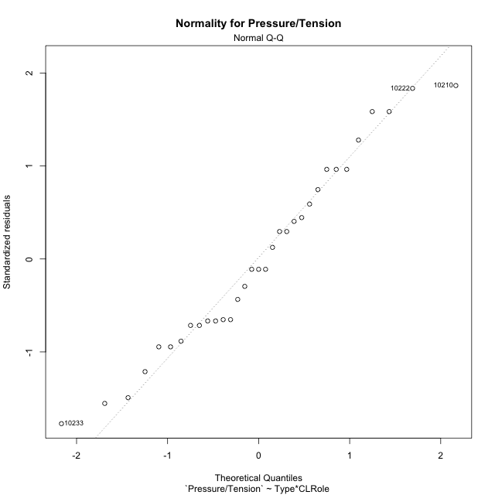

Levene's Test for Homogeneity of Variance in Pressure/Tension
Df | F value | Pr(>F)
3 | 1.8176465112 | 0.16600695933
29

Plots for homogeneity of variance
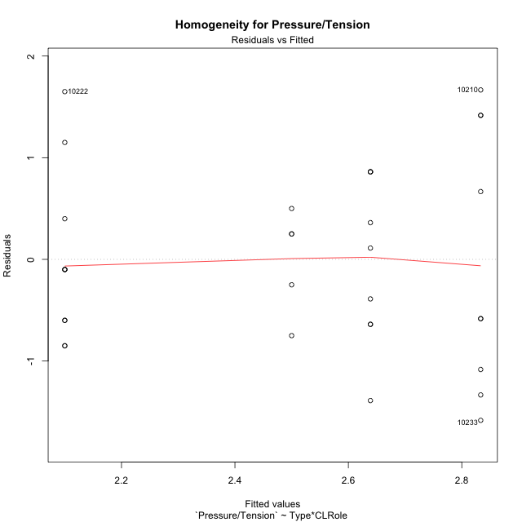

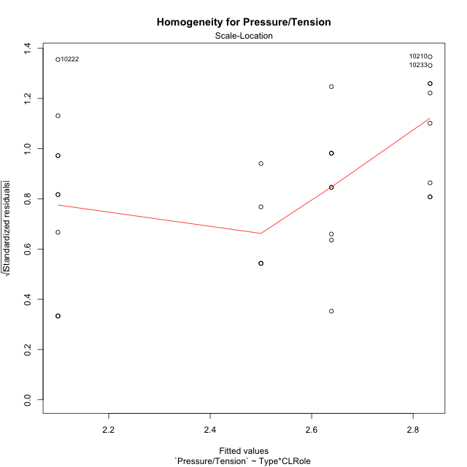

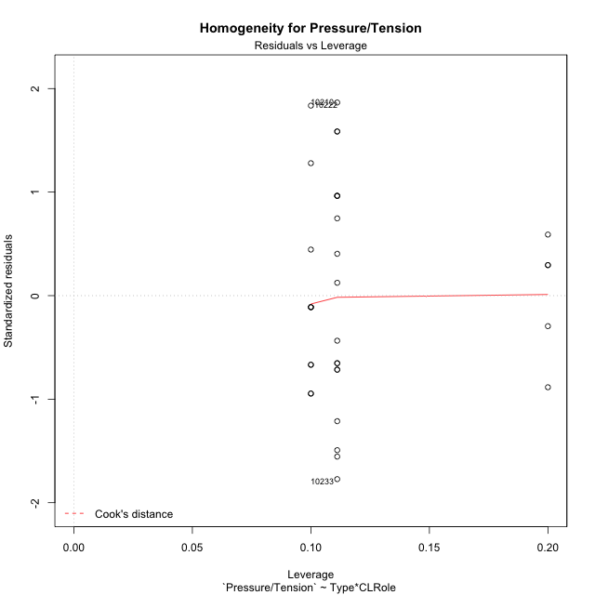

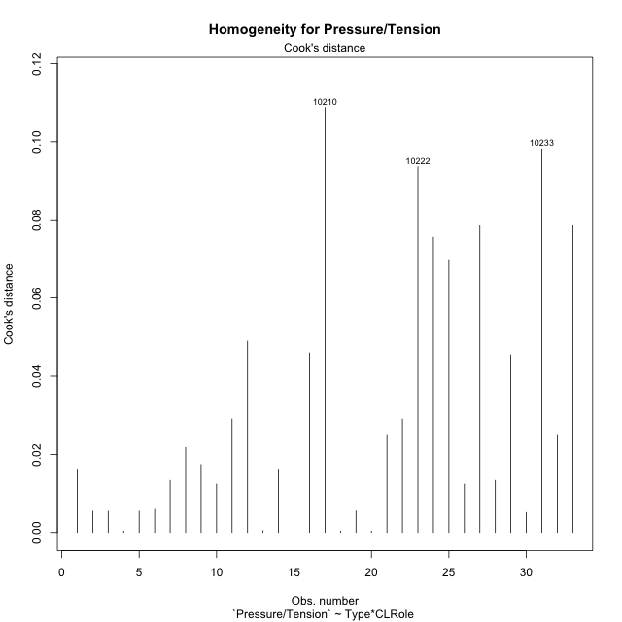

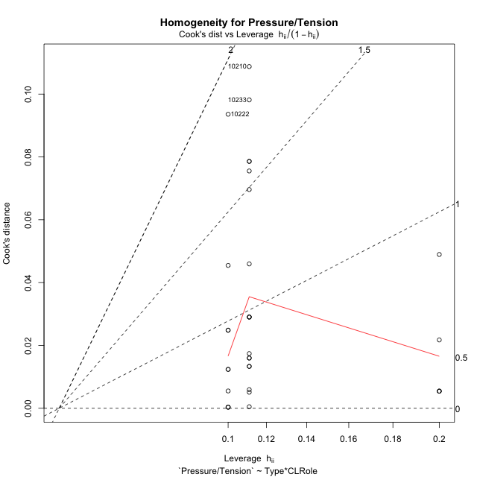

Minimum Sample Size Test for Pressure/Tension
Type | CLRole | Freq
non-gamified | Apprentice | 9
ont-gamified | Apprentice | 5
non-gamified | Master | 10
ont-gamified | Master | 9

Errors and Warnings in Sample Size Test for ANOVA in Pressure/Tension
code | description
WARN: sample.size | current.size is = 9 and recommended.size must be = 15 for the group: 'non-gamified:Apprentice'. Size sample for parametric test isn't recomended
WARN: sample.size | current.size is = 5 and recommended.size must be = 15 for the group: 'ont-gamified:Apprentice'. Size sample for parametric test isn't recomended
WARN: sample.size | current.size is = 10 and recommended.size must be = 15 for the group: 'non-gamified:Master'. Size sample for parametric test isn't recomended
WARN: sample.size | current.size is = 9 and recommended.size must be = 15 for the group: 'ont-gamified:Master'. Size sample for parametric test isn't recomended

For the group: 'non-gamified:Apprentice', we recommend the use of non parametric test. For the group: 'ont-gamified:Apprentice', we recommend the use of non parametric test. For the group: 'non-gamified:Master', we recommend the use of non parametric test. For the group: 'ont-gamified:Master', we recommend the use of non parametric test.

If you don't want to remove non-normal data, you must cite the following references: ... (1) Lix, L.M., J.C. Keselman, and H.J. Keselman. 1996. Consequences of assumption violations revisited: A quantitative review of alternatives to the one-way analysis of variance F test. Rev. Educ. Res. 66: 579-619. ... (2) Harwell, M.R., E.N. Rubinstein, W.S. Hayes, and C.C. Olds. 1992. Summarizing Monte Carlo results in methodological research: the one- and two-factor fixed effects ANOVA cases. J. Educ. Stat. 17: 315-339.

Post-hoc
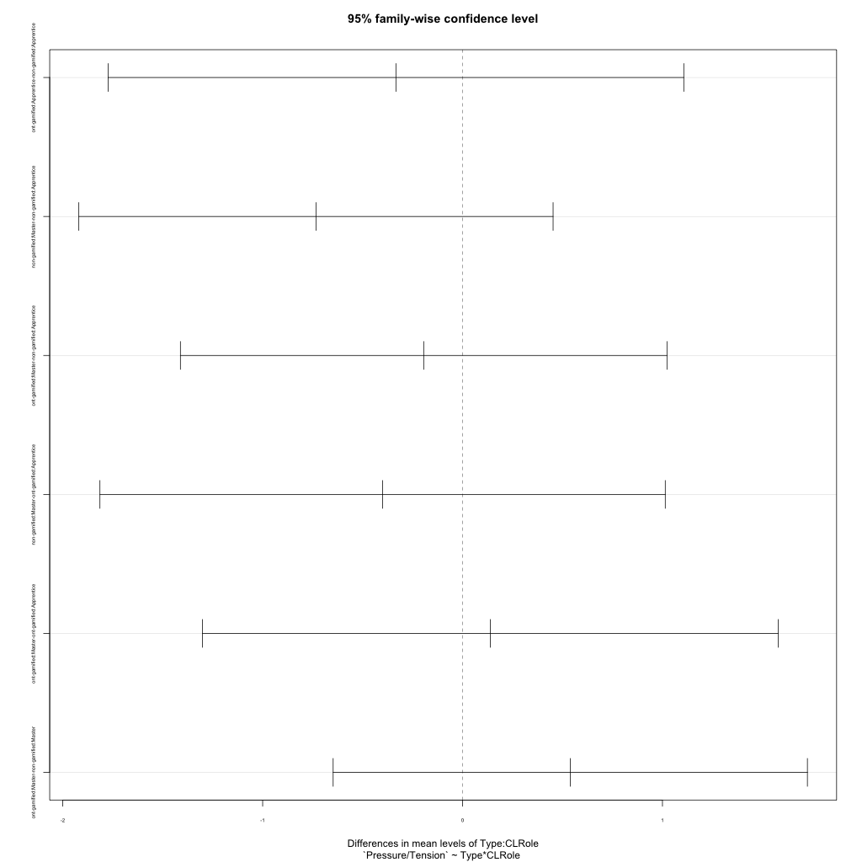
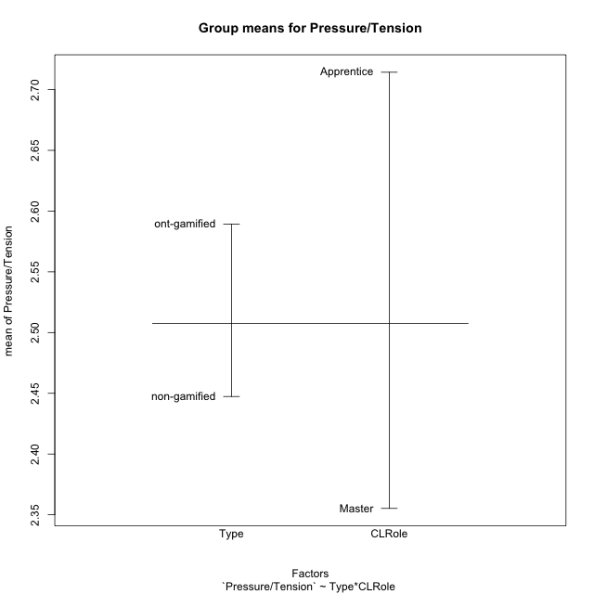
Post-hoc Tukey Honestly Significant Difference (HSD) Test for Pressure/Tension

Comparisons of means for Type
 | diff | lwr | upr | p adj
ont-gamified-non-gamified | 0.14191729323 | -0.54068926318 | 0.82452384965 | 0.67381986795

Comparisons of means for CLRole
 | diff | lwr | upr | p adj
Master-Apprentice | -0.37556178981 | -1.0581683462 | 0.3070447666 | 0.26970584832

Comparisons of means for Type:CLRole
 | diff | lwr | upr | p adj
ont-gamified:Apprentice-non-gamified:Apprentice | -0.33333333333 | -1.773319242 | 1.1066525754 | 0.92131123839
non-gamified:Master-non-gamified:Apprentice | -0.73333333333 | -1.9195281639 | 0.45286149719 | 0.34990844059
ont-gamified:Master-non-gamified:Apprentice | -0.19444444444 | -1.4114546619 | 1.022565773 | 0.97188185685
non-gamified:Master-ont-gamified:Apprentice | -0.4 | -1.8140380913 | 1.0140380913 | 0.86697872876
ont-gamified:Master-ont-gamified:Apprentice | 0.13888888889 | -1.3010970198 | 1.5788747976 | 0.99350290113
ont-gamified:Master-non-gamified:Master | 0.53888888889 | -0.64730594164 | 1.7250837194 | 0.6085842892

Contrast Matrices for Pressure/Tension - Type
contrast | estimate | SE | df | t.ratio | p.value
non-gamified - ont-gamified | -0.10277777778 | 0.34238119535 | 29 | -0.30018522972 | 0.76617722826

Contrast Matrices for Pressure/Tension - Type:CLRole
contrast | CLRole | estimate | SE | df | t.ratio | p.value
non-gamified - ont-gamified | Apprentice | 0.33333333333 | 0.52853041717 | 29 | 0.63067956452 | 0.53318918267
non-gamified - ont-gamified | Master | -0.53888888889 | 0.43537929423 | 29 | -1.2377457909 | 0.22573818896

Least Squares Means and Confidence Intervals for Type
Type | lsmean | SE | df | lower.CL | upper.CL | Pairs
non-gamified | 2.4666666667 | 0.21768964711 | 29 | 2.0214413476 | 2.9118919857 | non-gamified
ont-gamified | 2.5694444444 | 0.26426520858 | 29 | 2.0289614065 | 3.1099274824 | ont-gamified

Least Squares Means and Confidence Intervals for Type:CLRole
Type | CLRole | lsmean | SE | df | lower.CL | upper.CL | Pairs
non-gamified | Apprentice | 2.8333333333 | 0.31585733775 | 29 | 2.1873325435 | 3.4793341232 | non-gamified.Apprentice
ont-gamified | Apprentice | 2.5 | 0.42376708704 | 29 | 1.6332989922 | 3.3667010078 | ont-gamified.Apprentice
non-gamified | Master | 2.1 | 0.29964858089 | 29 | 1.4871498401 | 2.7128501599 | non-gamified.Master
ont-gamified | Master | 2.6388888889 | 0.31585733775 | 29 | 1.992888099 | 3.2848896787 | ont-gamified.Master

Plots

Type_1
Student's t-Test for Pressure/Tension in Type between non-gamified:ont-gamified

Student's t-Test results
Alternative hypothesis: less
Group | N | Mean | Mean.Difference | Std.deviation | Std.error | CI.lower | CI.upper | df | t.value | p.value | g | magnitude
non-gamified | 19 | 2.4473684211 | -0.14191729323 | 1.1136119517 | 0.25548010314 | 1.9364082148 | 2.9583286273 | 30.355973681 | -0.44871966149 | 0.32841041971 | -0.14402675185 | negligible
ont-gamified | 14 | 2.5892857143 | 0.14191729323 | 0.69757232088 | 0.1864340448 | 2.2164176247 | 2.9621538039 | 30.355973681 | -0.44871966149 | 0.32841041971 | -0.14402675185 | negligible
Alternative hypothesis: greater
Group | N | Mean | Mean.Difference | Std.deviation | Std.error | CI.lower | CI.upper | df | t.value | p.value | g | magnitude
non-gamified | 19 | 2.4473684211 | -0.14191729323 | 1.1136119517 | 0.25548010314 | 1.9364082148 | 2.9583286273 | 30.355973681 | -0.44871966149 | 0.67158958029 | -0.14402675185 | negligible
ont-gamified | 14 | 2.5892857143 | 0.14191729323 | 0.69757232088 | 0.1864340448 | 2.2164176247 | 2.9621538039 | 30.355973681 | -0.44871966149 | 0.67158958029 | -0.14402675185 | negligible
Alternative hypothesis: two.sided
Group | N | Mean | Mean.Difference | Std.deviation | Std.error | CI.lower | CI.upper | df | t.value | p.value | g | magnitude
non-gamified | 19 | 2.4473684211 | -0.14191729323 | 1.1136119517 | 0.25548010314 | 1.9364082148 | 2.9583286273 | 30.355973681 | -0.44871966149 | 0.65682083941 | -0.14402675185 | negligible
ont-gamified | 14 | 2.5892857143 | 0.14191729323 | 0.69757232088 | 0.1864340448 | 2.2164176247 | 2.9621538039 | 30.355973681 | -0.44871966149 | 0.65682083941 | -0.14402675185 | negligible

Box plots for Student's t-Test
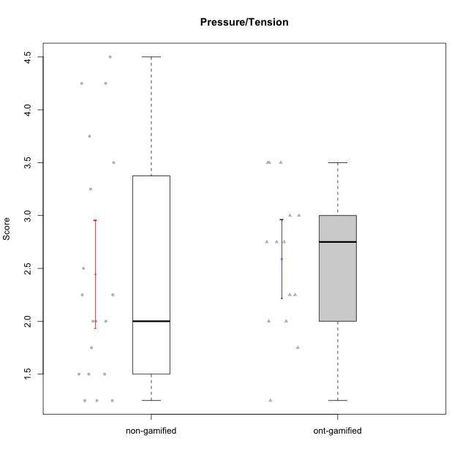

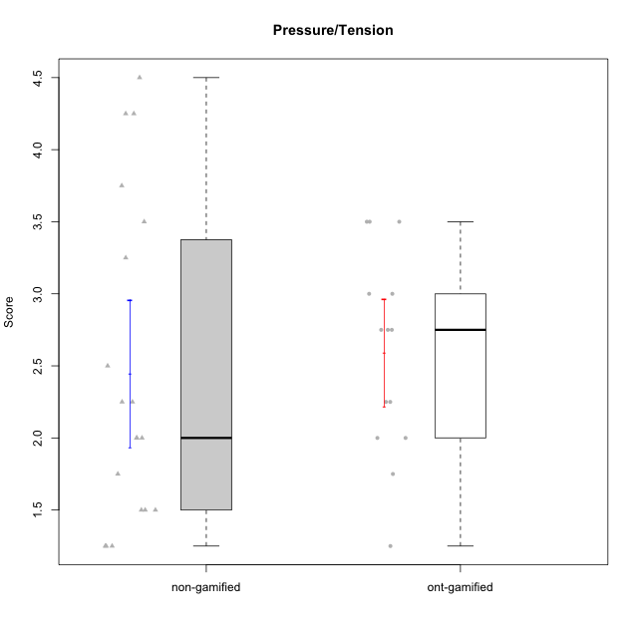

Student's t-Test data
UserID | NroUSP | Type | CLGroup | CLRole | PlayerRole | Item01IE | Item09IE | Item12IE | Item21IE | Item22IE | Item24IE | Item02PC | Item05PC | Item06PC | Item08PC | Item15PC | Item17PC | Item20PC | Item23PC | Item11PT | Item14PT | Item16PT | Item18PT | Interest/Enjoyment | Perceived Choice | Pressure/Tension | Intrinsic Motivation
10169 | 10377538 | ont-gamified | Grupo Hefesto | Master | Yee Achiever | 4 | 6 | 6 | 6 | 6 | 6 | 4 | 6 | 6 | 2 | 2 | 2 | 2 | 6 | 7 | 1 | 4 | 2 | 5.6666666667 | 5.25 | 2 | 5.5555555556
10176 | 10276949 | ont-gamified | Grupo Cronus | Apprentice | Yee Achiever | 5 | 5 | 4 | 4 | 4 | 3 | 5 | 6 | 1 | 1 | 2 | 2 | 2 | 2 | 4 | 2 | 3 | 2 | 4.1666666667 | 5.375 | 2.75 | 4.9444444444
10178 | 8656201 | ont-gamified | Grupo Morfeu | Apprentice | Yee Socializer | 5 | 5 | 5 | 5 | 5 | 5 | 4 | 5 | 2 | 1 | 3 | 1 | 3 | 5 | 5 | 1 | 4 | 1 | 5 | 5.5 | 2.25 | 5.3888888889
10179 | 10310759 | non-gamified | Grupo Team 9 | Master |  | 4 | 4 | 3 | 4 | 4 | 4 | 6 | 3 | 5 | 4 | 5 | 4 | 3 | 3 | 6 | 2 | 2 | 2 | 3.8333333333 | 3.375 | 2 | 4.1111111111
10183 | 10352030 | ont-gamified | Grupo Hélio | Apprentice | Yee Socializer | 5 | 4 | 4 | 4 | 4 | 3 | 3 | 5 | 2 | 4 | 2 | 2 | 2 | 4 | 5 | 2 | 3 | 3 | 4 | 5.25 | 2.75 | 4.8333333333
10184 | 10276675 | ont-gamified | Grupo Apolo | Master | Yee Socializer | 5 | 5 | 5 | 4 | 4 | 4 | 5 | 7 | 1 | 1 | 4 | 1 | 2 | 4 | 4 | 1 | 3 | 1 | 4.5 | 5.625 | 2.25 | 5.2777777778
10185 | 10276960 | non-gamified | Grupo Team 12 | Apprentice |  | 4 | 4 | 4 | 4 | 4 | 4 | 4 | 3 | 3 | 3 | 4 | 4 | 3 | 4 | 6 | 2 | 2 | 3 | 4 | 4.25 | 2.25 | 4.5
10186 | 10310551 | ont-gamified | Grupo Ares | Apprentice | Yee Achiever | 3 | 6 | 4 | 4 | 5 | 6 | 2 | 4 | 4 | 1 | 1 | 1 | 1 | 5 | 4 | 1 | 4 | 3 | 4.6666666667 | 5.875 | 3 | 5.2777777778
10187 | 9790781 | non-gamified | Grupo Team 15 | Apprentice |  | 7 | 7 | 7 | 7 | 7 | 7 | 1 | 5 | 1 | 3 | 4 | 1 | 1 | 7 | 1 | 1 | 5 | 1 | 7 | 6.125 | 3.5 | 6.0555555556
10188 | 10276995 | non-gamified | Grupo Team 3 | Master |  | 4 | 4 | 4 | 3 | 4 | 4 | 3 | 3 | 3 | 3 | 3 | 3 | 4 | 4 | 6 | 2 | 1 | 1 | 3.8333333333 | 4.5 | 1.5 | 4.7222222222
10189 | 9363926 | ont-gamified | Grupo Hades | Master | Yee Socializer | 2 | 4 | 3 | 6 | 4 | 5 | 4 | 5 | 2 | 1 | 5 | 2 | 1 | 2 | 5 | 4 | 5 | 2 | 4 | 5 | 3.5 | 4.5555555556
10190 | 10276907 | ont-gamified | Grupo Zeus | Apprentice | Yee Socializer | 4 | 5 | 5 | 4 | 4 | 5 | 4 | 7 | 1 | 3 | 1 | 2 | 3 | 4 | 6 | 1 | 2 | 2 | 4.5 | 5.625 | 1.75 | 5.3888888889
10199 | 10276737 | ont-gamified | Grupo Gaia | Master | Yee Achiever | 4 | 4 | 4 | 4 | 7 | 1 | 1 | 7 | 1 | 1 | 1 | 1 | 1 | 7 | 2 | 3 | 1 | 1 | 4 | 7 | 2.75 | 5.6111111111
10201 | 10276928 | ont-gamified | Grupo Caronte | Master | Yee Achiever | 5 | 7 | 7 | 7 | 7 | 5 | 2 | 7 | 3 | 2 | 2 | 2 | 1 | 3 | 6 | 3 | 2 | 1 | 6.3333333333 | 5.75 | 2 | 6
10206 | 10310721 | ont-gamified | Grupo Hera | Master | Yee Achiever | 4 | 6 | 4 | 5 | 5 | 3 | 1 | 7 | 1 | 2 | 2 | 1 | 2 | 6 | 2 | 3 | 3 | 2 | 4.5 | 6.5 | 3.5 | 5.3888888889
10208 | 10276932 | non-gamified | Grupo Team 7 | Apprentice |  | 6 | 6 | 7 | 7 | 6 | 6 | 4 | 7 | 4 | 1 | 2 | 1 | 2 | 5 | 7 | 1 | 4 | 1 | 6.3333333333 | 5.75 | 1.75 | 6.0555555556
10210 | 10277015 | non-gamified | Grupo Team 9 | Apprentice |  | 4 | 5 | 4 | 2 | 2 | 4 | 6 | 3 | 5 | 5 | 6 | 4 | 5 | 2 | 4 | 4 | 4 | 6 | 3.5 | 2.75 | 4.5 | 3.1666666667
10211 | 9311643 | non-gamified | Grupo Team 2 | Master |  | 7 | 7 | 5 | 6 | 6 | 6 | 7 | 3 | 6 | 3 | 6 | 3 | 2 | 5 | 7 | 2 | 2 | 3 | 6.1666666667 | 3.625 | 2 | 5
10212 | 9065750 | non-gamified | Grupo Team 4 | Master |  | 5 | 6 | 6 | 7 | 7 | 7 | 3 | 7 | 3 | 1 | 1 | 2 | 1 | 4 | 6 | 2 | 4 | 2 | 6.3333333333 | 6 | 2.5 | 6
10214 | 10277022 | non-gamified | Grupo Team 5 | Master |  | 4 | 4 | 3 | 3 | 3 | 1 | 4 | 4 | 4 | 4 | 5 | 4 | 4 | 2 | 4 | 1 | 1 | 2 | 3 | 3.625 | 2 | 3.9444444444
10216 | 10276720 | non-gamified | Grupo Team 15 | Master |  | 4 | 7 | 5 | 5 | 7 | 1 | 1 | 7 | 1 | 1 | 4 | 1 | 3 | 7 | 7 | 2 | 1 | 1 | 4.8333333333 | 6.375 | 1.25 | 5.9444444444
10218 | 9842913 | ont-gamified | Grupo Ares | Master | Yee Achiever | 4 | 3 | 3 | 4 | 4 | 2 | 2 | 5 | 4 | 1 | 3 | 3 | 2 | 3 | 3 | 3 | 4 | 2 | 3.3333333333 | 5.125 | 3.5 | 4.3888888889
10222 | 9436110 | non-gamified | Grupo Team 16 | Master |  | 1 | 1 | 1 | 1 | 1 | 1 | 7 | 2 | 6 | 7 | 7 | 6 | 6 | 2 | 3 | 3 | 3 | 4 | 1 | 1.625 | 3.75 | 2
10223 | 9795185 | ont-gamified | Grupo Cronus | Master | Yee Achiever | 6 | 6 | 6 | 7 | 7 | 6 | 2 | 6 | 2 | 1 | 2 | 1 | 3 | 6 | 7 | 1 | 2 | 1 | 6.3333333333 | 6.125 | 1.25 | 6.3333333333
10224 | 9368772 | non-gamified | Grupo Team 10 | Apprentice |  | 6 | 7 | 7 | 7 | 6 | 6 | 4 | 7 | 4 | 7 | 7 | 7 | 3 | 2 | 7 | 1 | 1 | 3 | 6.5 | 3.125 | 1.5 | 5
10226 | 10310342 | non-gamified | Grupo Team 8 | Master |  | 2 | 4 | 4 | 4 | 4 | 5 | 6 | 2 | 4 | 5 | 6 | 4 | 2 | 1 | 7 | 1 | 1 | 3 | 3.8333333333 | 3 | 1.5 | 4.0555555556
10227 | 9274382 | non-gamified | Grupo Team 4 | Apprentice |  | 1 | 2 | 3 | 3 | 6 | 2 | 3 | 6 | 4 | 3 | 5 | 4 | 2 | 3 | 3 | 4 | 4 | 4 | 2.8333333333 | 4.5 | 4.25 | 3.7777777778
10228 | 10310492 | non-gamified | Grupo Team 14 | Apprentice |  | 4 | 4 | 5 | 4 | 4 | 3 | 5 | 4 | 3 | 2 | 3 | 3 | 3 | 3 | 6 | 1 | 2 | 4 | 4 | 4.5 | 2.25 | 4.6111111111
10230 | 10351992 | non-gamified | Grupo Team 14 | Master |  | 1 | 4 | 1 | 6 | 1 | 3 | 2 | 5 | 1 | 5 | 4 | 1 | 5 | 4 | 1 | 1 | 4 | 1 | 2.6666666667 | 4.875 | 3.25 | 4.1111111111
10232 | 10276974 | ont-gamified | Grupo Artemis | Master | Yee Achiever | 6 | 4 | 5 | 6 | 5 | 7 | 2 | 5 | 4 | 2 | 4 | 2 | 1 | 4 | 1 | 1 | 2 | 2 | 5.5 | 5.25 | 3 | 5.2777777778
10233 | 9805320 | non-gamified | Grupo Team 16 | Apprentice |  | 2 | 4 | 2 | 1 | 2 | 3 | 7 | 6 | 3 | 3 | 6 | 3 | 5 | 3 | 7 | 1 | 1 | 2 | 2.3333333333 | 3.75 | 1.25 | 3.9444444444
10234 | 10310676 | non-gamified | Grupo Team 7 | Master |  | 2 | 3 | 2 | 6 | 5 | 2 | 2 | 2 | 5 | 4 | 6 | 4 | 3 | 4 | 7 | 2 | 1 | 1 | 3.3333333333 | 3.75 | 1.25 | 4.2777777778
10238 | 10276953 | non-gamified | Grupo Team 13 | Apprentice |  | 4 | 3 | 4 | 4 | 4 | 4 | 4 | 3 | 5 | 4 | 7 | 5 | 2 | 3 | 4 | 4 | 4 | 5 | 3.8333333333 | 3.375 | 4.25 | 3.6111111111

Type_CLRole_1
Student's t-Test for Pressure/Tension in Type:CLRole between non-gamified.Apprentice:non-gamified.Master

Student's t-Test results
Alternative hypothesis: less
Group | N | Mean | Mean.Difference | Std.deviation | Std.error | CI.lower | CI.upper | df | t.value | p.value | g | magnitude
non-gamified.Apprentice | 9 | 2.8333333333 | 0.73333333333 | 1.2930100541 | 0.43100335137 | 1.9713266306 | 3.6953400361 | 13.53424444 | 1.4469066294 | 0.91465728067 | 0.6494905133 | medium
non-gamified.Master | 10 | 2.1 | -0.73333333333 | 0.84327404271 | 0.26666666667 | 1.5666666667 | 2.6333333333 | 13.53424444 | 1.4469066294 | 0.91465728067 | 0.6494905133 | medium
Alternative hypothesis: greater
Group | N | Mean | Mean.Difference | Std.deviation | Std.error | CI.lower | CI.upper | df | t.value | p.value | g | magnitude
non-gamified.Apprentice | 9 | 2.8333333333 | 0.73333333333 | 1.2930100541 | 0.43100335137 | 1.9713266306 | 3.6953400361 | 13.53424444 | 1.4469066294 | 0.085342719329 | 0.6494905133 | medium
non-gamified.Master | 10 | 2.1 | -0.73333333333 | 0.84327404271 | 0.26666666667 | 1.5666666667 | 2.6333333333 | 13.53424444 | 1.4469066294 | 0.085342719329 | 0.6494905133 | medium
Alternative hypothesis: two.sided
Group | N | Mean | Mean.Difference | Std.deviation | Std.error | CI.lower | CI.upper | df | t.value | p.value | g | magnitude
non-gamified.Apprentice | 9 | 2.8333333333 | 0.73333333333 | 1.2930100541 | 0.43100335137 | 1.9713266306 | 3.6953400361 | 13.53424444 | 1.4469066294 | 0.17068543866 | 0.6494905133 | medium
non-gamified.Master | 10 | 2.1 | -0.73333333333 | 0.84327404271 | 0.26666666667 | 1.5666666667 | 2.6333333333 | 13.53424444 | 1.4469066294 | 0.17068543866 | 0.6494905133 | medium

Box plots for Student's t-Test
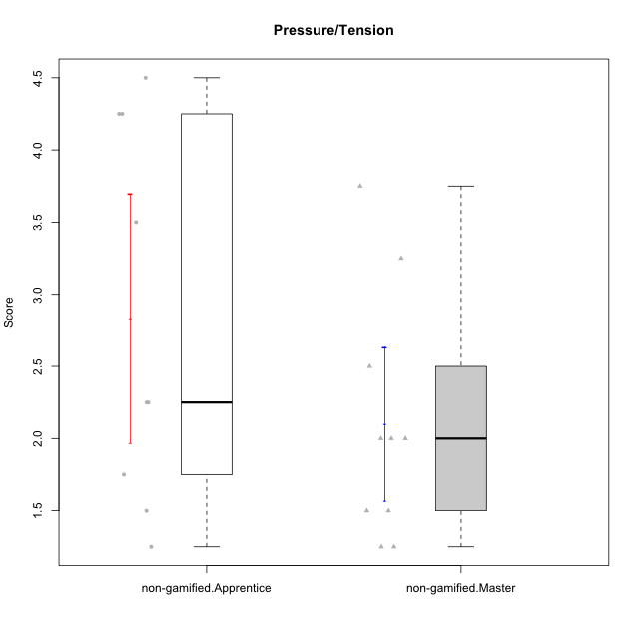

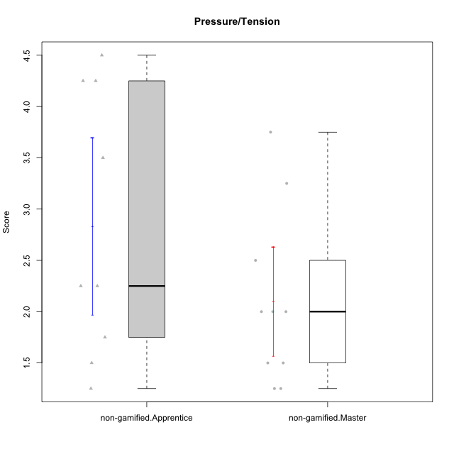

Student's t-Test data
UserID | NroUSP | Type | CLGroup | CLRole | PlayerRole | Item01IE | Item09IE | Item12IE | Item21IE | Item22IE | Item24IE | Item02PC | Item05PC | Item06PC | Item08PC | Item15PC | Item17PC | Item20PC | Item23PC | Item11PT | Item14PT | Item16PT | Item18PT | Interest/Enjoyment | Perceived Choice | Pressure/Tension | Intrinsic Motivation
10179 | 10310759 | non-gamified | Grupo Team 9 | Master |  | 4 | 4 | 3 | 4 | 4 | 4 | 6 | 3 | 5 | 4 | 5 | 4 | 3 | 3 | 6 | 2 | 2 | 2 | 3.8333333333 | 3.375 | 2 | 4.1111111111
10185 | 10276960 | non-gamified | Grupo Team 12 | Apprentice |  | 4 | 4 | 4 | 4 | 4 | 4 | 4 | 3 | 3 | 3 | 4 | 4 | 3 | 4 | 6 | 2 | 2 | 3 | 4 | 4.25 | 2.25 | 4.5
10187 | 9790781 | non-gamified | Grupo Team 15 | Apprentice |  | 7 | 7 | 7 | 7 | 7 | 7 | 1 | 5 | 1 | 3 | 4 | 1 | 1 | 7 | 1 | 1 | 5 | 1 | 7 | 6.125 | 3.5 | 6.0555555556
10188 | 10276995 | non-gamified | Grupo Team 3 | Master |  | 4 | 4 | 4 | 3 | 4 | 4 | 3 | 3 | 3 | 3 | 3 | 3 | 4 | 4 | 6 | 2 | 1 | 1 | 3.8333333333 | 4.5 | 1.5 | 4.7222222222
10208 | 10276932 | non-gamified | Grupo Team 7 | Apprentice |  | 6 | 6 | 7 | 7 | 6 | 6 | 4 | 7 | 4 | 1 | 2 | 1 | 2 | 5 | 7 | 1 | 4 | 1 | 6.3333333333 | 5.75 | 1.75 | 6.0555555556
10210 | 10277015 | non-gamified | Grupo Team 9 | Apprentice |  | 4 | 5 | 4 | 2 | 2 | 4 | 6 | 3 | 5 | 5 | 6 | 4 | 5 | 2 | 4 | 4 | 4 | 6 | 3.5 | 2.75 | 4.5 | 3.1666666667
10211 | 9311643 | non-gamified | Grupo Team 2 | Master |  | 7 | 7 | 5 | 6 | 6 | 6 | 7 | 3 | 6 | 3 | 6 | 3 | 2 | 5 | 7 | 2 | 2 | 3 | 6.1666666667 | 3.625 | 2 | 5
10212 | 9065750 | non-gamified | Grupo Team 4 | Master |  | 5 | 6 | 6 | 7 | 7 | 7 | 3 | 7 | 3 | 1 | 1 | 2 | 1 | 4 | 6 | 2 | 4 | 2 | 6.3333333333 | 6 | 2.5 | 6
10214 | 10277022 | non-gamified | Grupo Team 5 | Master |  | 4 | 4 | 3 | 3 | 3 | 1 | 4 | 4 | 4 | 4 | 5 | 4 | 4 | 2 | 4 | 1 | 1 | 2 | 3 | 3.625 | 2 | 3.9444444444
10216 | 10276720 | non-gamified | Grupo Team 15 | Master |  | 4 | 7 | 5 | 5 | 7 | 1 | 1 | 7 | 1 | 1 | 4 | 1 | 3 | 7 | 7 | 2 | 1 | 1 | 4.8333333333 | 6.375 | 1.25 | 5.9444444444
10222 | 9436110 | non-gamified | Grupo Team 16 | Master |  | 1 | 1 | 1 | 1 | 1 | 1 | 7 | 2 | 6 | 7 | 7 | 6 | 6 | 2 | 3 | 3 | 3 | 4 | 1 | 1.625 | 3.75 | 2
10224 | 9368772 | non-gamified | Grupo Team 10 | Apprentice |  | 6 | 7 | 7 | 7 | 6 | 6 | 4 | 7 | 4 | 7 | 7 | 7 | 3 | 2 | 7 | 1 | 1 | 3 | 6.5 | 3.125 | 1.5 | 5
10226 | 10310342 | non-gamified | Grupo Team 8 | Master |  | 2 | 4 | 4 | 4 | 4 | 5 | 6 | 2 | 4 | 5 | 6 | 4 | 2 | 1 | 7 | 1 | 1 | 3 | 3.8333333333 | 3 | 1.5 | 4.0555555556
10227 | 9274382 | non-gamified | Grupo Team 4 | Apprentice |  | 1 | 2 | 3 | 3 | 6 | 2 | 3 | 6 | 4 | 3 | 5 | 4 | 2 | 3 | 3 | 4 | 4 | 4 | 2.8333333333 | 4.5 | 4.25 | 3.7777777778
10228 | 10310492 | non-gamified | Grupo Team 14 | Apprentice |  | 4 | 4 | 5 | 4 | 4 | 3 | 5 | 4 | 3 | 2 | 3 | 3 | 3 | 3 | 6 | 1 | 2 | 4 | 4 | 4.5 | 2.25 | 4.6111111111
10230 | 10351992 | non-gamified | Grupo Team 14 | Master |  | 1 | 4 | 1 | 6 | 1 | 3 | 2 | 5 | 1 | 5 | 4 | 1 | 5 | 4 | 1 | 1 | 4 | 1 | 2.6666666667 | 4.875 | 3.25 | 4.1111111111
10233 | 9805320 | non-gamified | Grupo Team 16 | Apprentice |  | 2 | 4 | 2 | 1 | 2 | 3 | 7 | 6 | 3 | 3 | 6 | 3 | 5 | 3 | 7 | 1 | 1 | 2 | 2.3333333333 | 3.75 | 1.25 | 3.9444444444
10234 | 10310676 | non-gamified | Grupo Team 7 | Master |  | 2 | 3 | 2 | 6 | 5 | 2 | 2 | 2 | 5 | 4 | 6 | 4 | 3 | 4 | 7 | 2 | 1 | 1 | 3.3333333333 | 3.75 | 1.25 | 4.2777777778
10238 | 10276953 | non-gamified | Grupo Team 13 | Apprentice |  | 4 | 3 | 4 | 4 | 4 | 4 | 4 | 3 | 5 | 4 | 7 | 5 | 2 | 3 | 4 | 4 | 4 | 5 | 3.8333333333 | 3.375 | 4.25 | 3.6111111111

Type_CLRole_2
Student's t-Test for Pressure/Tension in Type:CLRole between non-gamified.Apprentice:ont-gamified.Apprentice

Student's t-Test results
Alternative hypothesis: less
Group | N | Mean | Mean.Difference | Std.deviation | Std.error | CI.lower | CI.upper | df | t.value | p.value | g | magnitude
non-gamified.Apprentice | 9 | 2.8333333333 | 0.33333333333 | 1.2930100541 | 0.43100335137 | 1.9713266306 | 3.6953400361 | 11.255299865 | 0.68649930519 | 0.74685240428 | 0.28511512728 | small
ont-gamified.Apprentice | 5 | 2.5 | -0.33333333333 | 0.5 | 0.22360679775 | 2.0527864045 | 2.9472135955 | 11.255299865 | 0.68649930519 | 0.74685240428 | 0.28511512728 | small
Alternative hypothesis: greater
Group | N | Mean | Mean.Difference | Std.deviation | Std.error | CI.lower | CI.upper | df | t.value | p.value | g | magnitude
non-gamified.Apprentice | 9 | 2.8333333333 | 0.33333333333 | 1.2930100541 | 0.43100335137 | 1.9713266306 | 3.6953400361 | 11.255299865 | 0.68649930519 | 0.25314759572 | 0.28511512728 | small
ont-gamified.Apprentice | 5 | 2.5 | -0.33333333333 | 0.5 | 0.22360679775 | 2.0527864045 | 2.9472135955 | 11.255299865 | 0.68649930519 | 0.25314759572 | 0.28511512728 | small
Alternative hypothesis: two.sided
Group | N | Mean | Mean.Difference | Std.deviation | Std.error | CI.lower | CI.upper | df | t.value | p.value | g | magnitude
non-gamified.Apprentice | 9 | 2.8333333333 | 0.33333333333 | 1.2930100541 | 0.43100335137 | 1.9713266306 | 3.6953400361 | 11.255299865 | 0.68649930519 | 0.50629519143 | 0.28511512728 | small
ont-gamified.Apprentice | 5 | 2.5 | -0.33333333333 | 0.5 | 0.22360679775 | 2.0527864045 | 2.9472135955 | 11.255299865 | 0.68649930519 | 0.50629519143 | 0.28511512728 | small

Box plots for Student's t-Test
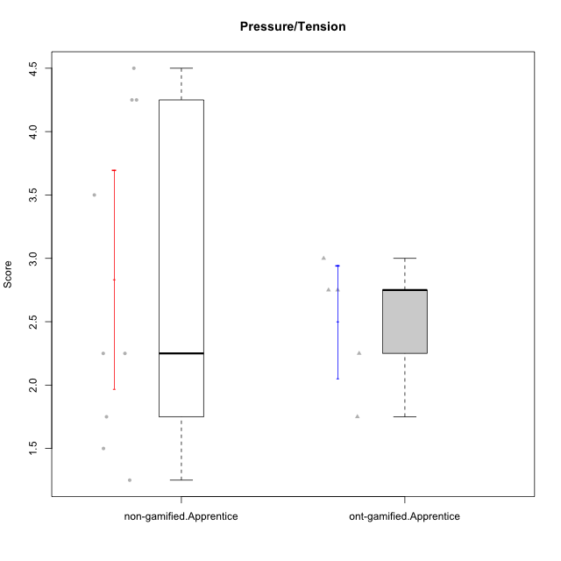

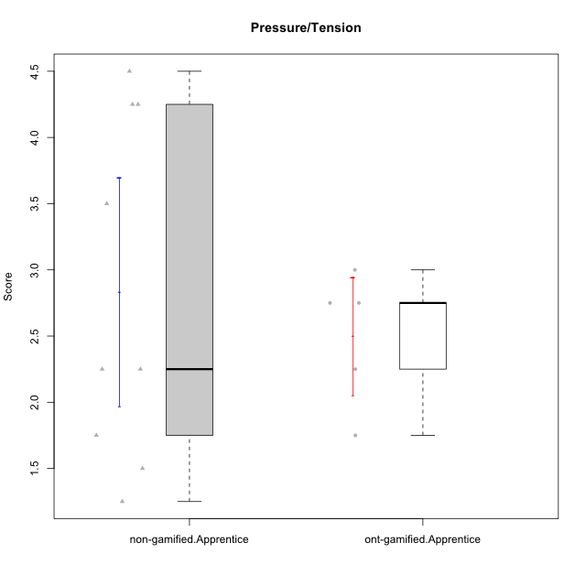

Student's t-Test data
UserID | NroUSP | Type | CLGroup | CLRole | PlayerRole | Item01IE | Item09IE | Item12IE | Item21IE | Item22IE | Item24IE | Item02PC | Item05PC | Item06PC | Item08PC | Item15PC | Item17PC | Item20PC | Item23PC | Item11PT | Item14PT | Item16PT | Item18PT | Interest/Enjoyment | Perceived Choice | Pressure/Tension | Intrinsic Motivation
10176 | 10276949 | ont-gamified | Grupo Cronus | Apprentice | Yee Achiever | 5 | 5 | 4 | 4 | 4 | 3 | 5 | 6 | 1 | 1 | 2 | 2 | 2 | 2 | 4 | 2 | 3 | 2 | 4.1666666667 | 5.375 | 2.75 | 4.9444444444
10178 | 8656201 | ont-gamified | Grupo Morfeu | Apprentice | Yee Socializer | 5 | 5 | 5 | 5 | 5 | 5 | 4 | 5 | 2 | 1 | 3 | 1 | 3 | 5 | 5 | 1 | 4 | 1 | 5 | 5.5 | 2.25 | 5.3888888889
10183 | 10352030 | ont-gamified | Grupo Hélio | Apprentice | Yee Socializer | 5 | 4 | 4 | 4 | 4 | 3 | 3 | 5 | 2 | 4 | 2 | 2 | 2 | 4 | 5 | 2 | 3 | 3 | 4 | 5.25 | 2.75 | 4.8333333333
10185 | 10276960 | non-gamified | Grupo Team 12 | Apprentice |  | 4 | 4 | 4 | 4 | 4 | 4 | 4 | 3 | 3 | 3 | 4 | 4 | 3 | 4 | 6 | 2 | 2 | 3 | 4 | 4.25 | 2.25 | 4.5
10186 | 10310551 | ont-gamified | Grupo Ares | Apprentice | Yee Achiever | 3 | 6 | 4 | 4 | 5 | 6 | 2 | 4 | 4 | 1 | 1 | 1 | 1 | 5 | 4 | 1 | 4 | 3 | 4.6666666667 | 5.875 | 3 | 5.2777777778
10187 | 9790781 | non-gamified | Grupo Team 15 | Apprentice |  | 7 | 7 | 7 | 7 | 7 | 7 | 1 | 5 | 1 | 3 | 4 | 1 | 1 | 7 | 1 | 1 | 5 | 1 | 7 | 6.125 | 3.5 | 6.0555555556
10190 | 10276907 | ont-gamified | Grupo Zeus | Apprentice | Yee Socializer | 4 | 5 | 5 | 4 | 4 | 5 | 4 | 7 | 1 | 3 | 1 | 2 | 3 | 4 | 6 | 1 | 2 | 2 | 4.5 | 5.625 | 1.75 | 5.3888888889
10208 | 10276932 | non-gamified | Grupo Team 7 | Apprentice |  | 6 | 6 | 7 | 7 | 6 | 6 | 4 | 7 | 4 | 1 | 2 | 1 | 2 | 5 | 7 | 1 | 4 | 1 | 6.3333333333 | 5.75 | 1.75 | 6.0555555556
10210 | 10277015 | non-gamified | Grupo Team 9 | Apprentice |  | 4 | 5 | 4 | 2 | 2 | 4 | 6 | 3 | 5 | 5 | 6 | 4 | 5 | 2 | 4 | 4 | 4 | 6 | 3.5 | 2.75 | 4.5 | 3.1666666667
10224 | 9368772 | non-gamified | Grupo Team 10 | Apprentice |  | 6 | 7 | 7 | 7 | 6 | 6 | 4 | 7 | 4 | 7 | 7 | 7 | 3 | 2 | 7 | 1 | 1 | 3 | 6.5 | 3.125 | 1.5 | 5
10227 | 9274382 | non-gamified | Grupo Team 4 | Apprentice |  | 1 | 2 | 3 | 3 | 6 | 2 | 3 | 6 | 4 | 3 | 5 | 4 | 2 | 3 | 3 | 4 | 4 | 4 | 2.8333333333 | 4.5 | 4.25 | 3.7777777778
10228 | 10310492 | non-gamified | Grupo Team 14 | Apprentice |  | 4 | 4 | 5 | 4 | 4 | 3 | 5 | 4 | 3 | 2 | 3 | 3 | 3 | 3 | 6 | 1 | 2 | 4 | 4 | 4.5 | 2.25 | 4.6111111111
10233 | 9805320 | non-gamified | Grupo Team 16 | Apprentice |  | 2 | 4 | 2 | 1 | 2 | 3 | 7 | 6 | 3 | 3 | 6 | 3 | 5 | 3 | 7 | 1 | 1 | 2 | 2.3333333333 | 3.75 | 1.25 | 3.9444444444
10238 | 10276953 | non-gamified | Grupo Team 13 | Apprentice |  | 4 | 3 | 4 | 4 | 4 | 4 | 4 | 3 | 5 | 4 | 7 | 5 | 2 | 3 | 4 | 4 | 4 | 5 | 3.8333333333 | 3.375 | 4.25 | 3.6111111111

Type_CLRole_3
Student's t-Test for Pressure/Tension in Type:CLRole between non-gamified.Apprentice:ont-gamified.Master

Student's t-Test results
Alternative hypothesis: less
Group | N | Mean | Mean.Difference | Std.deviation | Std.error | CI.lower | CI.upper | df | t.value | p.value | g | magnitude
non-gamified.Apprentice | 9 | 2.8333333333 | 0.19444444444 | 1.2930100541 | 0.43100335137 | 1.9713266306 | 3.6953400361 | 13.452453292 | 0.3821657633 | 0.64584612474 | 0.17157587477 | negligible
ont-gamified.Master | 9 | 2.6388888889 | -0.19444444444 | 0.81116343058 | 0.27038781019 | 2.0981132685 | 3.1796645093 | 13.452453292 | 0.3821657633 | 0.64584612474 | 0.17157587477 | negligible
Alternative hypothesis: greater
Group | N | Mean | Mean.Difference | Std.deviation | Std.error | CI.lower | CI.upper | df | t.value | p.value | g | magnitude
non-gamified.Apprentice | 9 | 2.8333333333 | 0.19444444444 | 1.2930100541 | 0.43100335137 | 1.9713266306 | 3.6953400361 | 13.452453292 | 0.3821657633 | 0.35415387526 | 0.17157587477 | negligible
ont-gamified.Master | 9 | 2.6388888889 | -0.19444444444 | 0.81116343058 | 0.27038781019 | 2.0981132685 | 3.1796645093 | 13.452453292 | 0.3821657633 | 0.35415387526 | 0.17157587477 | negligible
Alternative hypothesis: two.sided
Group | N | Mean | Mean.Difference | Std.deviation | Std.error | CI.lower | CI.upper | df | t.value | p.value | g | magnitude
non-gamified.Apprentice | 9 | 2.8333333333 | 0.19444444444 | 1.2930100541 | 0.43100335137 | 1.9713266306 | 3.6953400361 | 13.452453292 | 0.3821657633 | 0.70830775052 | 0.17157587477 | negligible
ont-gamified.Master | 9 | 2.6388888889 | -0.19444444444 | 0.81116343058 | 0.27038781019 | 2.0981132685 | 3.1796645093 | 13.452453292 | 0.3821657633 | 0.70830775052 | 0.17157587477 | negligible

Box plots for Student's t-Test
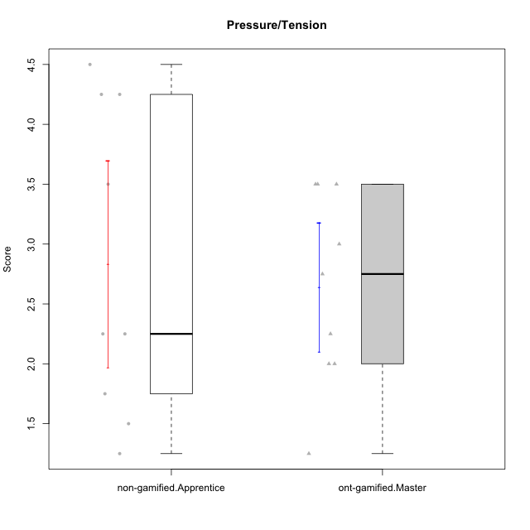

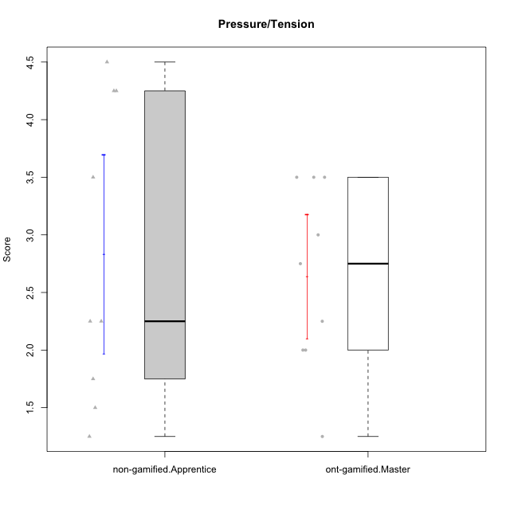

Student's t-Test data
UserID | NroUSP | Type | CLGroup | CLRole | PlayerRole | Item01IE | Item09IE | Item12IE | Item21IE | Item22IE | Item24IE | Item02PC | Item05PC | Item06PC | Item08PC | Item15PC | Item17PC | Item20PC | Item23PC | Item11PT | Item14PT | Item16PT | Item18PT | Interest/Enjoyment | Perceived Choice | Pressure/Tension | Intrinsic Motivation
10169 | 10377538 | ont-gamified | Grupo Hefesto | Master | Yee Achiever | 4 | 6 | 6 | 6 | 6 | 6 | 4 | 6 | 6 | 2 | 2 | 2 | 2 | 6 | 7 | 1 | 4 | 2 | 5.6666666667 | 5.25 | 2 | 5.5555555556
10184 | 10276675 | ont-gamified | Grupo Apolo | Master | Yee Socializer | 5 | 5 | 5 | 4 | 4 | 4 | 5 | 7 | 1 | 1 | 4 | 1 | 2 | 4 | 4 | 1 | 3 | 1 | 4.5 | 5.625 | 2.25 | 5.2777777778
10185 | 10276960 | non-gamified | Grupo Team 12 | Apprentice |  | 4 | 4 | 4 | 4 | 4 | 4 | 4 | 3 | 3 | 3 | 4 | 4 | 3 | 4 | 6 | 2 | 2 | 3 | 4 | 4.25 | 2.25 | 4.5
10187 | 9790781 | non-gamified | Grupo Team 15 | Apprentice |  | 7 | 7 | 7 | 7 | 7 | 7 | 1 | 5 | 1 | 3 | 4 | 1 | 1 | 7 | 1 | 1 | 5 | 1 | 7 | 6.125 | 3.5 | 6.0555555556
10189 | 9363926 | ont-gamified | Grupo Hades | Master | Yee Socializer | 2 | 4 | 3 | 6 | 4 | 5 | 4 | 5 | 2 | 1 | 5 | 2 | 1 | 2 | 5 | 4 | 5 | 2 | 4 | 5 | 3.5 | 4.5555555556
10199 | 10276737 | ont-gamified | Grupo Gaia | Master | Yee Achiever | 4 | 4 | 4 | 4 | 7 | 1 | 1 | 7 | 1 | 1 | 1 | 1 | 1 | 7 | 2 | 3 | 1 | 1 | 4 | 7 | 2.75 | 5.6111111111
10201 | 10276928 | ont-gamified | Grupo Caronte | Master | Yee Achiever | 5 | 7 | 7 | 7 | 7 | 5 | 2 | 7 | 3 | 2 | 2 | 2 | 1 | 3 | 6 | 3 | 2 | 1 | 6.3333333333 | 5.75 | 2 | 6
10206 | 10310721 | ont-gamified | Grupo Hera | Master | Yee Achiever | 4 | 6 | 4 | 5 | 5 | 3 | 1 | 7 | 1 | 2 | 2 | 1 | 2 | 6 | 2 | 3 | 3 | 2 | 4.5 | 6.5 | 3.5 | 5.3888888889
10208 | 10276932 | non-gamified | Grupo Team 7 | Apprentice |  | 6 | 6 | 7 | 7 | 6 | 6 | 4 | 7 | 4 | 1 | 2 | 1 | 2 | 5 | 7 | 1 | 4 | 1 | 6.3333333333 | 5.75 | 1.75 | 6.0555555556
10210 | 10277015 | non-gamified | Grupo Team 9 | Apprentice |  | 4 | 5 | 4 | 2 | 2 | 4 | 6 | 3 | 5 | 5 | 6 | 4 | 5 | 2 | 4 | 4 | 4 | 6 | 3.5 | 2.75 | 4.5 | 3.1666666667
10218 | 9842913 | ont-gamified | Grupo Ares | Master | Yee Achiever | 4 | 3 | 3 | 4 | 4 | 2 | 2 | 5 | 4 | 1 | 3 | 3 | 2 | 3 | 3 | 3 | 4 | 2 | 3.3333333333 | 5.125 | 3.5 | 4.3888888889
10223 | 9795185 | ont-gamified | Grupo Cronus | Master | Yee Achiever | 6 | 6 | 6 | 7 | 7 | 6 | 2 | 6 | 2 | 1 | 2 | 1 | 3 | 6 | 7 | 1 | 2 | 1 | 6.3333333333 | 6.125 | 1.25 | 6.3333333333
10224 | 9368772 | non-gamified | Grupo Team 10 | Apprentice |  | 6 | 7 | 7 | 7 | 6 | 6 | 4 | 7 | 4 | 7 | 7 | 7 | 3 | 2 | 7 | 1 | 1 | 3 | 6.5 | 3.125 | 1.5 | 5
10227 | 9274382 | non-gamified | Grupo Team 4 | Apprentice |  | 1 | 2 | 3 | 3 | 6 | 2 | 3 | 6 | 4 | 3 | 5 | 4 | 2 | 3 | 3 | 4 | 4 | 4 | 2.8333333333 | 4.5 | 4.25 | 3.7777777778
10228 | 10310492 | non-gamified | Grupo Team 14 | Apprentice |  | 4 | 4 | 5 | 4 | 4 | 3 | 5 | 4 | 3 | 2 | 3 | 3 | 3 | 3 | 6 | 1 | 2 | 4 | 4 | 4.5 | 2.25 | 4.6111111111
10232 | 10276974 | ont-gamified | Grupo Artemis | Master | Yee Achiever | 6 | 4 | 5 | 6 | 5 | 7 | 2 | 5 | 4 | 2 | 4 | 2 | 1 | 4 | 1 | 1 | 2 | 2 | 5.5 | 5.25 | 3 | 5.2777777778
10233 | 9805320 | non-gamified | Grupo Team 16 | Apprentice |  | 2 | 4 | 2 | 1 | 2 | 3 | 7 | 6 | 3 | 3 | 6 | 3 | 5 | 3 | 7 | 1 | 1 | 2 | 2.3333333333 | 3.75 | 1.25 | 3.9444444444
10238 | 10276953 | non-gamified | Grupo Team 13 | Apprentice |  | 4 | 3 | 4 | 4 | 4 | 4 | 4 | 3 | 5 | 4 | 7 | 5 | 2 | 3 | 4 | 4 | 4 | 5 | 3.8333333333 | 3.375 | 4.25 | 3.6111111111

Type_CLRole_4
Student's t-Test for Pressure/Tension in Type:CLRole between non-gamified.Master:ont-gamified.Apprentice

Student's t-Test results
Alternative hypothesis: less
Group | N | Mean | Mean.Difference | Std.deviation | Std.error | CI.lower | CI.upper | df | t.value | p.value | g | magnitude
non-gamified.Master | 10 | 2.1 | -0.4 | 0.84327404271 | 0.26666666667 | 1.5666666667 | 2.6333333333 | 12.35851946 | -1.1493915423 | 0.136076438 | -0.49898428582 | small
ont-gamified.Apprentice | 5 | 2.5 | 0.4 | 0.5 | 0.22360679775 | 2.0527864045 | 2.9472135955 | 12.35851946 | -1.1493915423 | 0.136076438 | -0.49898428582 | small
Alternative hypothesis: greater
Group | N | Mean | Mean.Difference | Std.deviation | Std.error | CI.lower | CI.upper | df | t.value | p.value | g | magnitude
non-gamified.Master | 10 | 2.1 | -0.4 | 0.84327404271 | 0.26666666667 | 1.5666666667 | 2.6333333333 | 12.35851946 | -1.1493915423 | 0.863923562 | -0.49898428582 | small
ont-gamified.Apprentice | 5 | 2.5 | 0.4 | 0.5 | 0.22360679775 | 2.0527864045 | 2.9472135955 | 12.35851946 | -1.1493915423 | 0.863923562 | -0.49898428582 | small
Alternative hypothesis: two.sided
Group | N | Mean | Mean.Difference | Std.deviation | Std.error | CI.lower | CI.upper | df | t.value | p.value | g | magnitude
non-gamified.Master | 10 | 2.1 | -0.4 | 0.84327404271 | 0.26666666667 | 1.5666666667 | 2.6333333333 | 12.35851946 | -1.1493915423 | 0.272152876 | -0.49898428582 | small
ont-gamified.Apprentice | 5 | 2.5 | 0.4 | 0.5 | 0.22360679775 | 2.0527864045 | 2.9472135955 | 12.35851946 | -1.1493915423 | 0.272152876 | -0.49898428582 | small

Box plots for Student's t-Test
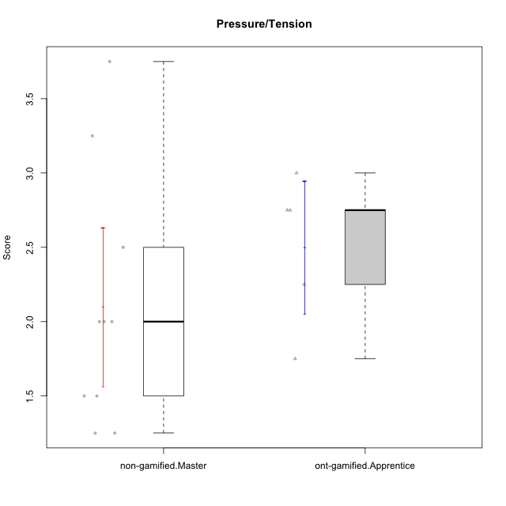

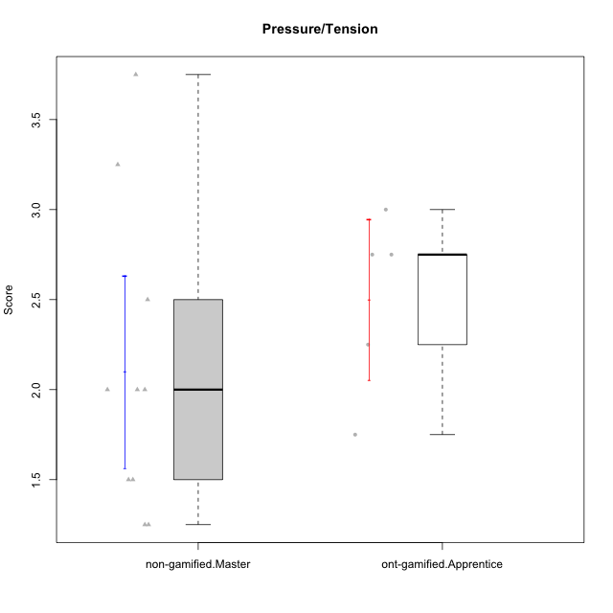

Student's t-Test data
UserID | NroUSP | Type | CLGroup | CLRole | PlayerRole | Item01IE | Item09IE | Item12IE | Item21IE | Item22IE | Item24IE | Item02PC | Item05PC | Item06PC | Item08PC | Item15PC | Item17PC | Item20PC | Item23PC | Item11PT | Item14PT | Item16PT | Item18PT | Interest/Enjoyment | Perceived Choice | Pressure/Tension | Intrinsic Motivation
10176 | 10276949 | ont-gamified | Grupo Cronus | Apprentice | Yee Achiever | 5 | 5 | 4 | 4 | 4 | 3 | 5 | 6 | 1 | 1 | 2 | 2 | 2 | 2 | 4 | 2 | 3 | 2 | 4.1666666667 | 5.375 | 2.75 | 4.9444444444
10178 | 8656201 | ont-gamified | Grupo Morfeu | Apprentice | Yee Socializer | 5 | 5 | 5 | 5 | 5 | 5 | 4 | 5 | 2 | 1 | 3 | 1 | 3 | 5 | 5 | 1 | 4 | 1 | 5 | 5.5 | 2.25 | 5.3888888889
10179 | 10310759 | non-gamified | Grupo Team 9 | Master |  | 4 | 4 | 3 | 4 | 4 | 4 | 6 | 3 | 5 | 4 | 5 | 4 | 3 | 3 | 6 | 2 | 2 | 2 | 3.8333333333 | 3.375 | 2 | 4.1111111111
10183 | 10352030 | ont-gamified | Grupo Hélio | Apprentice | Yee Socializer | 5 | 4 | 4 | 4 | 4 | 3 | 3 | 5 | 2 | 4 | 2 | 2 | 2 | 4 | 5 | 2 | 3 | 3 | 4 | 5.25 | 2.75 | 4.8333333333
10186 | 10310551 | ont-gamified | Grupo Ares | Apprentice | Yee Achiever | 3 | 6 | 4 | 4 | 5 | 6 | 2 | 4 | 4 | 1 | 1 | 1 | 1 | 5 | 4 | 1 | 4 | 3 | 4.6666666667 | 5.875 | 3 | 5.2777777778
10188 | 10276995 | non-gamified | Grupo Team 3 | Master |  | 4 | 4 | 4 | 3 | 4 | 4 | 3 | 3 | 3 | 3 | 3 | 3 | 4 | 4 | 6 | 2 | 1 | 1 | 3.8333333333 | 4.5 | 1.5 | 4.7222222222
10190 | 10276907 | ont-gamified | Grupo Zeus | Apprentice | Yee Socializer | 4 | 5 | 5 | 4 | 4 | 5 | 4 | 7 | 1 | 3 | 1 | 2 | 3 | 4 | 6 | 1 | 2 | 2 | 4.5 | 5.625 | 1.75 | 5.3888888889
10211 | 9311643 | non-gamified | Grupo Team 2 | Master |  | 7 | 7 | 5 | 6 | 6 | 6 | 7 | 3 | 6 | 3 | 6 | 3 | 2 | 5 | 7 | 2 | 2 | 3 | 6.1666666667 | 3.625 | 2 | 5
10212 | 9065750 | non-gamified | Grupo Team 4 | Master |  | 5 | 6 | 6 | 7 | 7 | 7 | 3 | 7 | 3 | 1 | 1 | 2 | 1 | 4 | 6 | 2 | 4 | 2 | 6.3333333333 | 6 | 2.5 | 6
10214 | 10277022 | non-gamified | Grupo Team 5 | Master |  | 4 | 4 | 3 | 3 | 3 | 1 | 4 | 4 | 4 | 4 | 5 | 4 | 4 | 2 | 4 | 1 | 1 | 2 | 3 | 3.625 | 2 | 3.9444444444
10216 | 10276720 | non-gamified | Grupo Team 15 | Master |  | 4 | 7 | 5 | 5 | 7 | 1 | 1 | 7 | 1 | 1 | 4 | 1 | 3 | 7 | 7 | 2 | 1 | 1 | 4.8333333333 | 6.375 | 1.25 | 5.9444444444
10222 | 9436110 | non-gamified | Grupo Team 16 | Master |  | 1 | 1 | 1 | 1 | 1 | 1 | 7 | 2 | 6 | 7 | 7 | 6 | 6 | 2 | 3 | 3 | 3 | 4 | 1 | 1.625 | 3.75 | 2
10226 | 10310342 | non-gamified | Grupo Team 8 | Master |  | 2 | 4 | 4 | 4 | 4 | 5 | 6 | 2 | 4 | 5 | 6 | 4 | 2 | 1 | 7 | 1 | 1 | 3 | 3.8333333333 | 3 | 1.5 | 4.0555555556
10230 | 10351992 | non-gamified | Grupo Team 14 | Master |  | 1 | 4 | 1 | 6 | 1 | 3 | 2 | 5 | 1 | 5 | 4 | 1 | 5 | 4 | 1 | 1 | 4 | 1 | 2.6666666667 | 4.875 | 3.25 | 4.1111111111
10234 | 10310676 | non-gamified | Grupo Team 7 | Master |  | 2 | 3 | 2 | 6 | 5 | 2 | 2 | 2 | 5 | 4 | 6 | 4 | 3 | 4 | 7 | 2 | 1 | 1 | 3.3333333333 | 3.75 | 1.25 | 4.2777777778

Type_CLRole_5
Student's t-Test for Pressure/Tension in Type:CLRole between non-gamified.Master:ont-gamified.Master

Student's t-Test results
Alternative hypothesis: less
Group | N | Mean | Mean.Difference | Std.deviation | Std.error | CI.lower | CI.upper | df | t.value | p.value | g | magnitude
non-gamified.Master | 10 | 2.1 | -0.53888888889 | 0.84327404271 | 0.26666666667 | 1.5666666667 | 2.6333333333 | 16.910361691 | -1.4190100169 | 0.087032732316 | -0.62145140497 | medium
ont-gamified.Master | 9 | 2.6388888889 | 0.53888888889 | 0.81116343058 | 0.27038781019 | 2.0981132685 | 3.1796645093 | 16.910361691 | -1.4190100169 | 0.087032732316 | -0.62145140497 | medium
Alternative hypothesis: greater
Group | N | Mean | Mean.Difference | Std.deviation | Std.error | CI.lower | CI.upper | df | t.value | p.value | g | magnitude
non-gamified.Master | 10 | 2.1 | -0.53888888889 | 0.84327404271 | 0.26666666667 | 1.5666666667 | 2.6333333333 | 16.910361691 | -1.4190100169 | 0.91296726768 | -0.62145140497 | medium
ont-gamified.Master | 9 | 2.6388888889 | 0.53888888889 | 0.81116343058 | 0.27038781019 | 2.0981132685 | 3.1796645093 | 16.910361691 | -1.4190100169 | 0.91296726768 | -0.62145140497 | medium
Alternative hypothesis: two.sided
Group | N | Mean | Mean.Difference | Std.deviation | Std.error | CI.lower | CI.upper | df | t.value | p.value | g | magnitude
non-gamified.Master | 10 | 2.1 | -0.53888888889 | 0.84327404271 | 0.26666666667 | 1.5666666667 | 2.6333333333 | 16.910361691 | -1.4190100169 | 0.17406546463 | -0.62145140497 | medium
ont-gamified.Master | 9 | 2.6388888889 | 0.53888888889 | 0.81116343058 | 0.27038781019 | 2.0981132685 | 3.1796645093 | 16.910361691 | -1.4190100169 | 0.17406546463 | -0.62145140497 | medium

Box plots for Student's t-Test
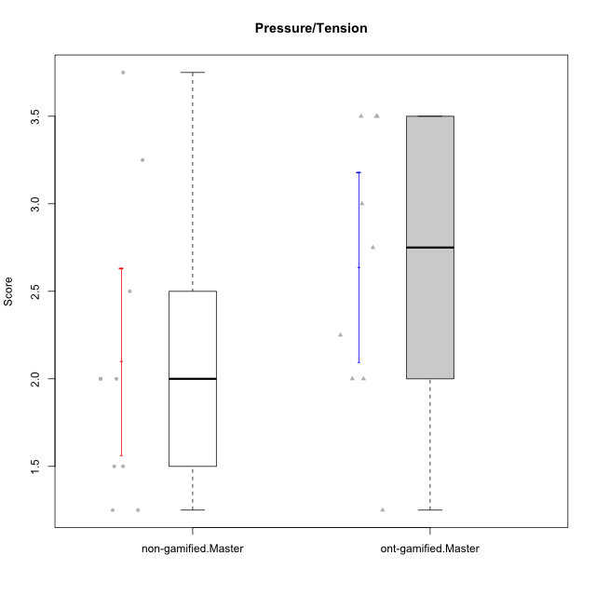

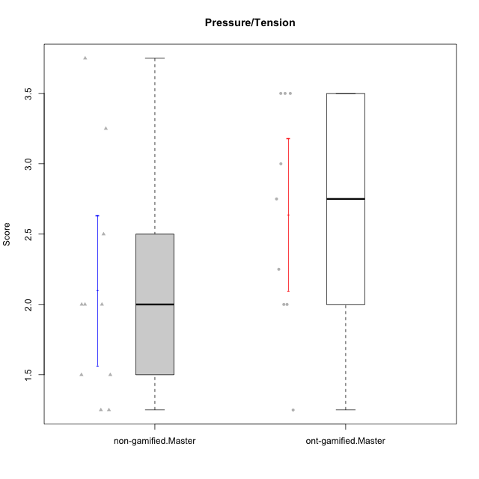

Student's t-Test data
UserID | NroUSP | Type | CLGroup | CLRole | PlayerRole | Item01IE | Item09IE | Item12IE | Item21IE | Item22IE | Item24IE | Item02PC | Item05PC | Item06PC | Item08PC | Item15PC | Item17PC | Item20PC | Item23PC | Item11PT | Item14PT | Item16PT | Item18PT | Interest/Enjoyment | Perceived Choice | Pressure/Tension | Intrinsic Motivation
10169 | 10377538 | ont-gamified | Grupo Hefesto | Master | Yee Achiever | 4 | 6 | 6 | 6 | 6 | 6 | 4 | 6 | 6 | 2 | 2 | 2 | 2 | 6 | 7 | 1 | 4 | 2 | 5.6666666667 | 5.25 | 2 | 5.5555555556
10179 | 10310759 | non-gamified | Grupo Team 9 | Master |  | 4 | 4 | 3 | 4 | 4 | 4 | 6 | 3 | 5 | 4 | 5 | 4 | 3 | 3 | 6 | 2 | 2 | 2 | 3.8333333333 | 3.375 | 2 | 4.1111111111
10184 | 10276675 | ont-gamified | Grupo Apolo | Master | Yee Socializer | 5 | 5 | 5 | 4 | 4 | 4 | 5 | 7 | 1 | 1 | 4 | 1 | 2 | 4 | 4 | 1 | 3 | 1 | 4.5 | 5.625 | 2.25 | 5.2777777778
10188 | 10276995 | non-gamified | Grupo Team 3 | Master |  | 4 | 4 | 4 | 3 | 4 | 4 | 3 | 3 | 3 | 3 | 3 | 3 | 4 | 4 | 6 | 2 | 1 | 1 | 3.8333333333 | 4.5 | 1.5 | 4.7222222222
10189 | 9363926 | ont-gamified | Grupo Hades | Master | Yee Socializer | 2 | 4 | 3 | 6 | 4 | 5 | 4 | 5 | 2 | 1 | 5 | 2 | 1 | 2 | 5 | 4 | 5 | 2 | 4 | 5 | 3.5 | 4.5555555556
10199 | 10276737 | ont-gamified | Grupo Gaia | Master | Yee Achiever | 4 | 4 | 4 | 4 | 7 | 1 | 1 | 7 | 1 | 1 | 1 | 1 | 1 | 7 | 2 | 3 | 1 | 1 | 4 | 7 | 2.75 | 5.6111111111
10201 | 10276928 | ont-gamified | Grupo Caronte | Master | Yee Achiever | 5 | 7 | 7 | 7 | 7 | 5 | 2 | 7 | 3 | 2 | 2 | 2 | 1 | 3 | 6 | 3 | 2 | 1 | 6.3333333333 | 5.75 | 2 | 6
10206 | 10310721 | ont-gamified | Grupo Hera | Master | Yee Achiever | 4 | 6 | 4 | 5 | 5 | 3 | 1 | 7 | 1 | 2 | 2 | 1 | 2 | 6 | 2 | 3 | 3 | 2 | 4.5 | 6.5 | 3.5 | 5.3888888889
10211 | 9311643 | non-gamified | Grupo Team 2 | Master |  | 7 | 7 | 5 | 6 | 6 | 6 | 7 | 3 | 6 | 3 | 6 | 3 | 2 | 5 | 7 | 2 | 2 | 3 | 6.1666666667 | 3.625 | 2 | 5
10212 | 9065750 | non-gamified | Grupo Team 4 | Master |  | 5 | 6 | 6 | 7 | 7 | 7 | 3 | 7 | 3 | 1 | 1 | 2 | 1 | 4 | 6 | 2 | 4 | 2 | 6.3333333333 | 6 | 2.5 | 6
10214 | 10277022 | non-gamified | Grupo Team 5 | Master |  | 4 | 4 | 3 | 3 | 3 | 1 | 4 | 4 | 4 | 4 | 5 | 4 | 4 | 2 | 4 | 1 | 1 | 2 | 3 | 3.625 | 2 | 3.9444444444
10216 | 10276720 | non-gamified | Grupo Team 15 | Master |  | 4 | 7 | 5 | 5 | 7 | 1 | 1 | 7 | 1 | 1 | 4 | 1 | 3 | 7 | 7 | 2 | 1 | 1 | 4.8333333333 | 6.375 | 1.25 | 5.9444444444
10218 | 9842913 | ont-gamified | Grupo Ares | Master | Yee Achiever | 4 | 3 | 3 | 4 | 4 | 2 | 2 | 5 | 4 | 1 | 3 | 3 | 2 | 3 | 3 | 3 | 4 | 2 | 3.3333333333 | 5.125 | 3.5 | 4.3888888889
10222 | 9436110 | non-gamified | Grupo Team 16 | Master |  | 1 | 1 | 1 | 1 | 1 | 1 | 7 | 2 | 6 | 7 | 7 | 6 | 6 | 2 | 3 | 3 | 3 | 4 | 1 | 1.625 | 3.75 | 2
10223 | 9795185 | ont-gamified | Grupo Cronus | Master | Yee Achiever | 6 | 6 | 6 | 7 | 7 | 6 | 2 | 6 | 2 | 1 | 2 | 1 | 3 | 6 | 7 | 1 | 2 | 1 | 6.3333333333 | 6.125 | 1.25 | 6.3333333333
10226 | 10310342 | non-gamified | Grupo Team 8 | Master |  | 2 | 4 | 4 | 4 | 4 | 5 | 6 | 2 | 4 | 5 | 6 | 4 | 2 | 1 | 7 | 1 | 1 | 3 | 3.8333333333 | 3 | 1.5 | 4.0555555556
10230 | 10351992 | non-gamified | Grupo Team 14 | Master |  | 1 | 4 | 1 | 6 | 1 | 3 | 2 | 5 | 1 | 5 | 4 | 1 | 5 | 4 | 1 | 1 | 4 | 1 | 2.6666666667 | 4.875 | 3.25 | 4.1111111111
10232 | 10276974 | ont-gamified | Grupo Artemis | Master | Yee Achiever | 6 | 4 | 5 | 6 | 5 | 7 | 2 | 5 | 4 | 2 | 4 | 2 | 1 | 4 | 1 | 1 | 2 | 2 | 5.5 | 5.25 | 3 | 5.2777777778
10234 | 10310676 | non-gamified | Grupo Team 7 | Master |  | 2 | 3 | 2 | 6 | 5 | 2 | 2 | 2 | 5 | 4 | 6 | 4 | 3 | 4 | 7 | 2 | 1 | 1 | 3.3333333333 | 3.75 | 1.25 | 4.2777777778

Type_CLRole_6
Student's t-Test for Pressure/Tension in Type:CLRole between ont-gamified.Apprentice:ont-gamified.Master

Student's t-Test results
Alternative hypothesis: less
Group | N | Mean | Mean.Difference | Std.deviation | Std.error | CI.lower | CI.upper | df | t.value | p.value | g | magnitude
ont-gamified.Apprentice | 5 | 2.5 | -0.13888888889 | 0.5 | 0.22360679775 | 2.0527864045 | 2.9472135955 | 11.720408037 | -0.39584175193 | 0.34966637684 | -0.17996618998 | negligible
ont-gamified.Master | 9 | 2.6388888889 | 0.13888888889 | 0.81116343058 | 0.27038781019 | 2.0981132685 | 3.1796645093 | 11.720408037 | -0.39584175193 | 0.34966637684 | -0.17996618998 | negligible
Alternative hypothesis: greater
Group | N | Mean | Mean.Difference | Std.deviation | Std.error | CI.lower | CI.upper | df | t.value | p.value | g | magnitude
ont-gamified.Apprentice | 5 | 2.5 | -0.13888888889 | 0.5 | 0.22360679775 | 2.0527864045 | 2.9472135955 | 11.720408037 | -0.39584175193 | 0.65033362316 | -0.17996618998 | negligible
ont-gamified.Master | 9 | 2.6388888889 | 0.13888888889 | 0.81116343058 | 0.27038781019 | 2.0981132685 | 3.1796645093 | 11.720408037 | -0.39584175193 | 0.65033362316 | -0.17996618998 | negligible
Alternative hypothesis: two.sided
Group | N | Mean | Mean.Difference | Std.deviation | Std.error | CI.lower | CI.upper | df | t.value | p.value | g | magnitude
ont-gamified.Apprentice | 5 | 2.5 | -0.13888888889 | 0.5 | 0.22360679775 | 2.0527864045 | 2.9472135955 | 11.720408037 | -0.39584175193 | 0.69933275369 | -0.17996618998 | negligible
ont-gamified.Master | 9 | 2.6388888889 | 0.13888888889 | 0.81116343058 | 0.27038781019 | 2.0981132685 | 3.1796645093 | 11.720408037 | -0.39584175193 | 0.69933275369 | -0.17996618998 | negligible

Box plots for Student's t-Test
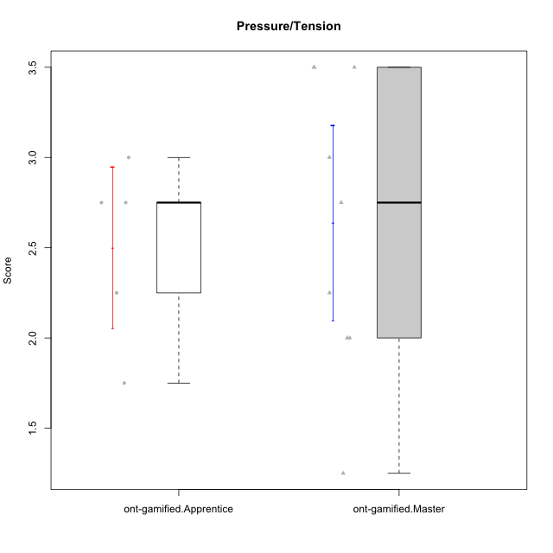

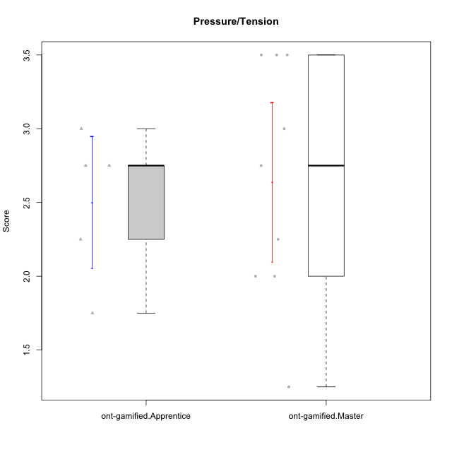

Student's t-Test data
UserID | NroUSP | Type | CLGroup | CLRole | PlayerRole | Item01IE | Item09IE | Item12IE | Item21IE | Item22IE | Item24IE | Item02PC | Item05PC | Item06PC | Item08PC | Item15PC | Item17PC | Item20PC | Item23PC | Item11PT | Item14PT | Item16PT | Item18PT | Interest/Enjoyment | Perceived Choice | Pressure/Tension | Intrinsic Motivation
10169 | 10377538 | ont-gamified | Grupo Hefesto | Master | Yee Achiever | 4 | 6 | 6 | 6 | 6 | 6 | 4 | 6 | 6 | 2 | 2 | 2 | 2 | 6 | 7 | 1 | 4 | 2 | 5.6666666667 | 5.25 | 2 | 5.5555555556
10176 | 10276949 | ont-gamified | Grupo Cronus | Apprentice | Yee Achiever | 5 | 5 | 4 | 4 | 4 | 3 | 5 | 6 | 1 | 1 | 2 | 2 | 2 | 2 | 4 | 2 | 3 | 2 | 4.1666666667 | 5.375 | 2.75 | 4.9444444444
10178 | 8656201 | ont-gamified | Grupo Morfeu | Apprentice | Yee Socializer | 5 | 5 | 5 | 5 | 5 | 5 | 4 | 5 | 2 | 1 | 3 | 1 | 3 | 5 | 5 | 1 | 4 | 1 | 5 | 5.5 | 2.25 | 5.3888888889
10183 | 10352030 | ont-gamified | Grupo Hélio | Apprentice | Yee Socializer | 5 | 4 | 4 | 4 | 4 | 3 | 3 | 5 | 2 | 4 | 2 | 2 | 2 | 4 | 5 | 2 | 3 | 3 | 4 | 5.25 | 2.75 | 4.8333333333
10184 | 10276675 | ont-gamified | Grupo Apolo | Master | Yee Socializer | 5 | 5 | 5 | 4 | 4 | 4 | 5 | 7 | 1 | 1 | 4 | 1 | 2 | 4 | 4 | 1 | 3 | 1 | 4.5 | 5.625 | 2.25 | 5.2777777778
10186 | 10310551 | ont-gamified | Grupo Ares | Apprentice | Yee Achiever | 3 | 6 | 4 | 4 | 5 | 6 | 2 | 4 | 4 | 1 | 1 | 1 | 1 | 5 | 4 | 1 | 4 | 3 | 4.6666666667 | 5.875 | 3 | 5.2777777778
10189 | 9363926 | ont-gamified | Grupo Hades | Master | Yee Socializer | 2 | 4 | 3 | 6 | 4 | 5 | 4 | 5 | 2 | 1 | 5 | 2 | 1 | 2 | 5 | 4 | 5 | 2 | 4 | 5 | 3.5 | 4.5555555556
10190 | 10276907 | ont-gamified | Grupo Zeus | Apprentice | Yee Socializer | 4 | 5 | 5 | 4 | 4 | 5 | 4 | 7 | 1 | 3 | 1 | 2 | 3 | 4 | 6 | 1 | 2 | 2 | 4.5 | 5.625 | 1.75 | 5.3888888889
10199 | 10276737 | ont-gamified | Grupo Gaia | Master | Yee Achiever | 4 | 4 | 4 | 4 | 7 | 1 | 1 | 7 | 1 | 1 | 1 | 1 | 1 | 7 | 2 | 3 | 1 | 1 | 4 | 7 | 2.75 | 5.6111111111
10201 | 10276928 | ont-gamified | Grupo Caronte | Master | Yee Achiever | 5 | 7 | 7 | 7 | 7 | 5 | 2 | 7 | 3 | 2 | 2 | 2 | 1 | 3 | 6 | 3 | 2 | 1 | 6.3333333333 | 5.75 | 2 | 6
10206 | 10310721 | ont-gamified | Grupo Hera | Master | Yee Achiever | 4 | 6 | 4 | 5 | 5 | 3 | 1 | 7 | 1 | 2 | 2 | 1 | 2 | 6 | 2 | 3 | 3 | 2 | 4.5 | 6.5 | 3.5 | 5.3888888889
10218 | 9842913 | ont-gamified | Grupo Ares | Master | Yee Achiever | 4 | 3 | 3 | 4 | 4 | 2 | 2 | 5 | 4 | 1 | 3 | 3 | 2 | 3 | 3 | 3 | 4 | 2 | 3.3333333333 | 5.125 | 3.5 | 4.3888888889
10223 | 9795185 | ont-gamified | Grupo Cronus | Master | Yee Achiever | 6 | 6 | 6 | 7 | 7 | 6 | 2 | 6 | 2 | 1 | 2 | 1 | 3 | 6 | 7 | 1 | 2 | 1 | 6.3333333333 | 6.125 | 1.25 | 6.3333333333
10232 | 10276974 | ont-gamified | Grupo Artemis | Master | Yee Achiever | 6 | 4 | 5 | 6 | 5 | 7 | 2 | 5 | 4 | 2 | 4 | 2 | 1 | 4 | 1 | 1 | 2 | 2 | 5.5 | 5.25 | 3 | 5.2777777778

