Assumptions
ANOVA assumptions for Pressure/Tension

Shapiro-Wilk normality test for Pressure/Tension
W | p.value
0.96485017305 | 0.33474784502

Plots for normality test
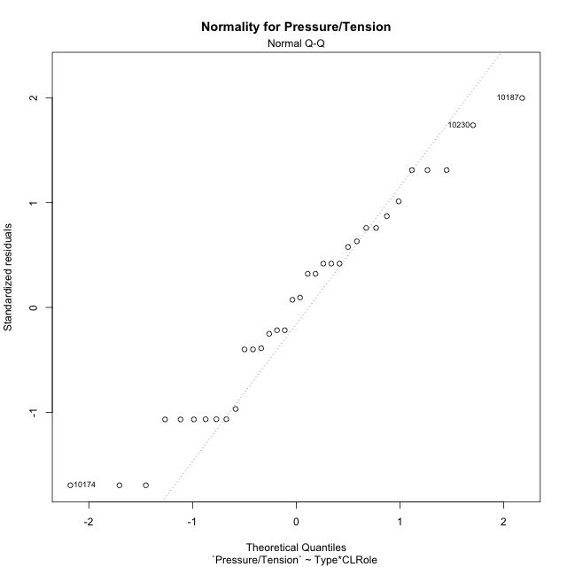

Levene's Test for Homogeneity of Variance in Pressure/Tension
Df | F value | Pr(>F)
3 | 1.3334652504 | 0.28199311985
30

Plots for homogeneity of variance
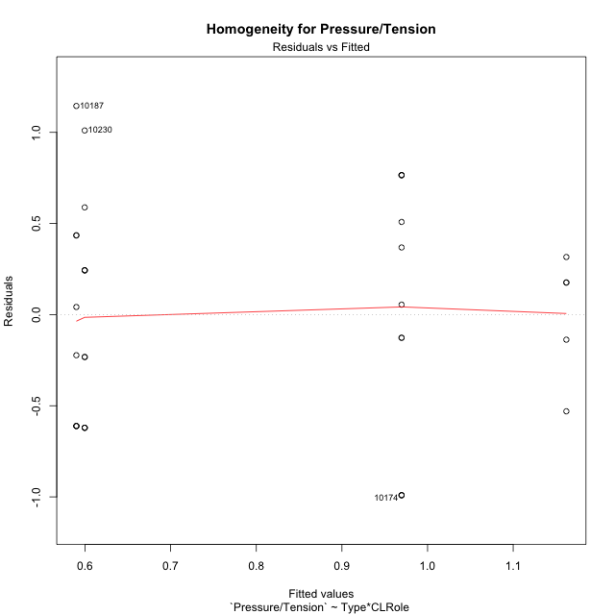

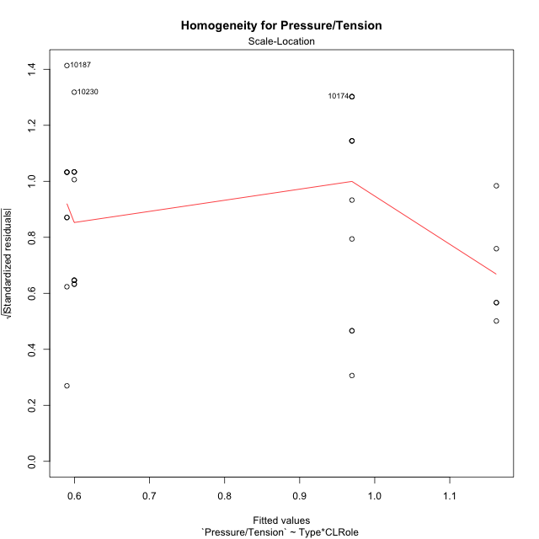

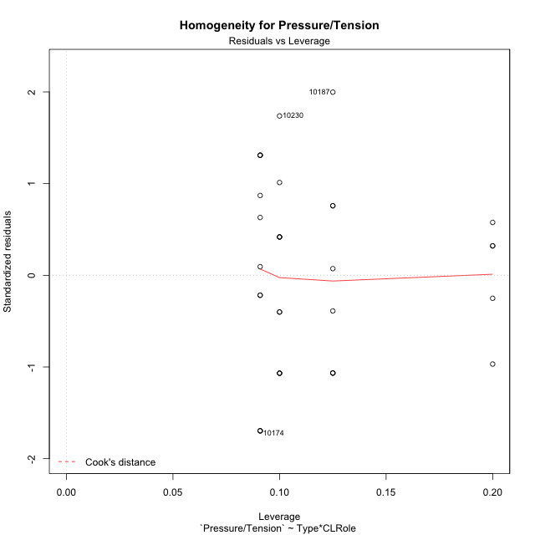

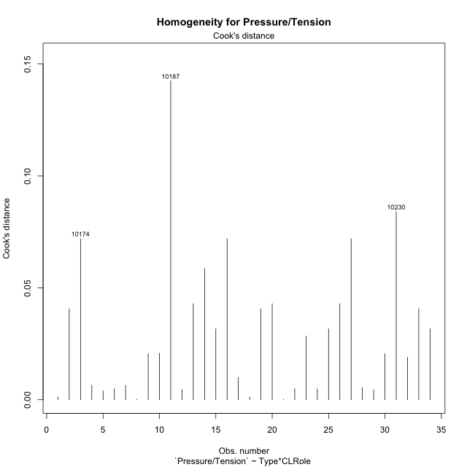

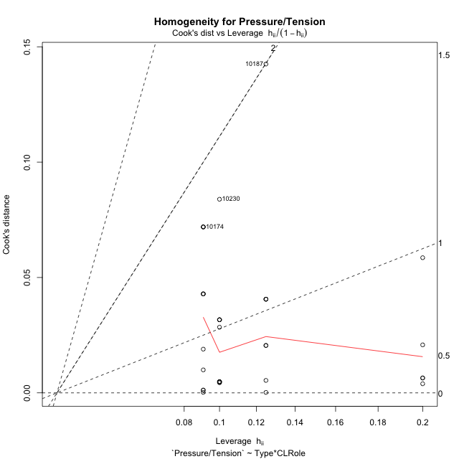

Minimum Sample Size Test for Pressure/Tension
Type | CLRole | Freq
non-gamified | Apprentice | 8
ont-gamified | Apprentice | 5
non-gamified | Master | 10
ont-gamified | Master | 11

Errors and Warnings in Sample Size Test for ANOVA in Pressure/Tension
code | description
WARN: sample.size | current.size is = 8 and recommended.size must be = 15 for the group: 'non-gamified:Apprentice'. Size sample for parametric test isn't recomended
WARN: sample.size | current.size is = 5 and recommended.size must be = 15 for the group: 'ont-gamified:Apprentice'. Size sample for parametric test isn't recomended
WARN: sample.size | current.size is = 10 and recommended.size must be = 15 for the group: 'non-gamified:Master'. Size sample for parametric test isn't recomended
WARN: sample.size | current.size is = 11 and recommended.size must be = 15 for the group: 'ont-gamified:Master'. Size sample for parametric test isn't recomended

For the group: 'non-gamified:Apprentice', we recommend the use of non parametric test. For the group: 'ont-gamified:Apprentice', we recommend the use of non parametric test. For the group: 'non-gamified:Master', we recommend the use of non parametric test. For the group: 'ont-gamified:Master', we recommend the use of non parametric test.

If you don't want to remove non-normal data, you must cite the following references: ... (1) Lix, L.M., J.C. Keselman, and H.J. Keselman. 1996. Consequences of assumption violations revisited: A quantitative review of alternatives to the one-way analysis of variance F test. Rev. Educ. Res. 66: 579-619. ... (2) Harwell, M.R., E.N. Rubinstein, W.S. Hayes, and C.C. Olds. 1992. Summarizing Monte Carlo results in methodological research: the one- and two-factor fixed effects ANOVA cases. J. Educ. Stat. 17: 315-339.

Post-hoc
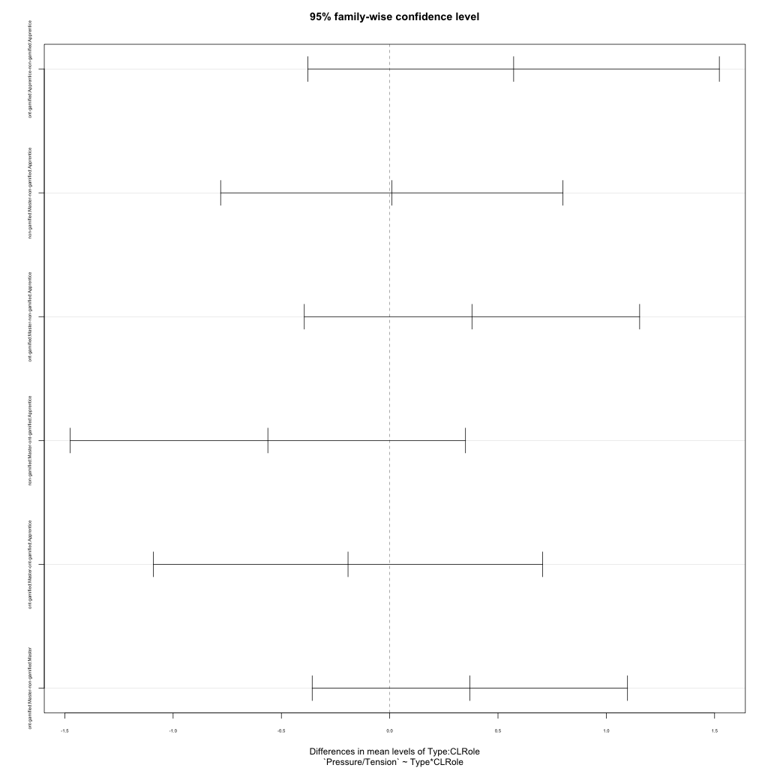
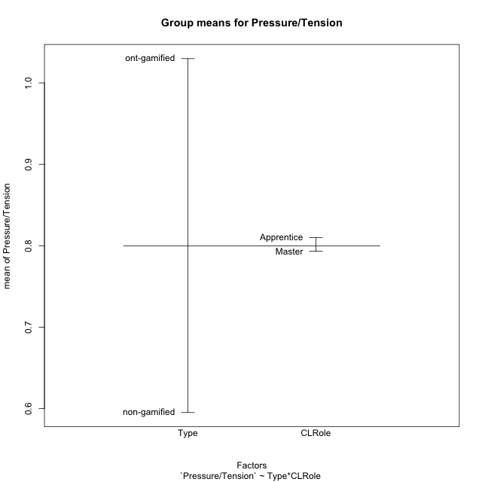
Post-hoc Tukey Honestly Significant Difference (HSD) Test for Pressure/Tension

Comparisons of means for Type
 | diff | lwr | upr | p adj
ont-gamified-non-gamified | 0.43455765415 | 0.0046243479475 | 0.86449096036 | 0.047735549012

Comparisons of means for CLRole
 | diff | lwr | upr | p adj
Master-Apprentice | -0.076960784344 | -0.51854751108 | 0.36462594239 | 0.72438225393

Comparisons of means for Type:CLRole
 | diff | lwr | upr | p adj
ont-gamified:Apprentice-non-gamified:Apprentice | 0.57226249228 | -0.37749461709 | 1.5220196016 | 0.37327300418
non-gamified:Master-non-gamified:Apprentice | 0.0097718349311 | -0.78047384747 | 0.80001751733 | 0.99998601551
ont-gamified:Master-non-gamified:Apprentice | 0.37986097818 | -0.39425554439 | 1.1539775008 | 0.54905902013
non-gamified:Master-ont-gamified:Apprentice | -0.56249065735 | -1.4749877723 | 0.35000645757 | 0.35354729532
ont-gamified:Master-ont-gamified:Apprentice | -0.1924015141 | -1.0909665572 | 0.70616352902 | 0.93666192944
ont-gamified:Master-non-gamified:Master | 0.37008914325 | -0.35783173738 | 1.0980100239 | 0.51973813599

Contrast Matrices for Pressure/Tension - Type
contrast | estimate | SE | df | t.ratio | p.value
non-gamified - ont-gamified | -0.47117581777 | 0.22003957141 | 30 | -2.1413231026 | 0.040489847884

Contrast Matrices for Pressure/Tension - Type:CLRole
contrast | CLRole | estimate | SE | df | t.ratio | p.value
non-gamified - ont-gamified | Apprentice | -0.57226249228 | 0.34928977802 | 30 | -1.6383602621 | 0.11179402769
non-gamified - ont-gamified | Master | -0.37008914325 | 0.26770562737 | 30 | -1.3824481274 | 0.17704021458

Least Squares Means and Confidence Intervals for Type
Type | lsmean | SE | df | lower.CL | upper.CL | Pairs
non-gamified | 0.59469035487 | 0.1453133313 | 30 | 0.29792094081 | 0.89145976893 | non-gamified
ont-gamified | 1.0658661726 | 0.16523150043 | 30 | 0.7284184304 | 1.4033139149 | ont-gamified

Least Squares Means and Confidence Intervals for Type:CLRole
Type | CLRole | lsmean | SE | df | lower.CL | upper.CL | Pairs
non-gamified | Apprentice | 0.5898044374 | 0.21662032456 | 30 | 0.14740671509 | 1.0322021597 | non-gamified.Apprentice
ont-gamified | Apprentice | 1.1620669297 | 0.27400544523 | 30 | 0.60247315601 | 1.7216607034 | ont-gamified.Apprentice
non-gamified | Master | 0.59957627234 | 0.19375110841 | 30 | 0.20388372026 | 0.99526882441 | non-gamified.Master
ont-gamified | Master | 0.96966541559 | 0.18473443349 | 30 | 0.59238737034 | 1.3469434608 | ont-gamified.Master

Plots

Type_1
Student's t-Test for Pressure/Tension in Type between non-gamified:ont-gamified

Student's t-Test results
Alternative hypothesis: less
Group | N | Mean | Mean.Difference | Std.deviation | Std.error | CI.lower | CI.upper | df | t.value | p.value | g | magnitude
non-gamified | 18 | 0.59523323459 | -0.43455765415 | 0.57746376999 | 0.13610951588 | 0.32301420282 | 0.86745226636 | 30.905126476 | -2.1113511211 | 0.021464984912 | -0.71119320377 | medium
ont-gamified | 16 | 1.0297908887 | 0.43455765415 | 0.61755580874 | 0.15438895219 | 0.72101298437 | 1.3385687931 | 30.905126476 | -2.1113511211 | 0.021464984912 | -0.71119320377 | medium
Alternative hypothesis: greater
Group | N | Mean | Mean.Difference | Std.deviation | Std.error | CI.lower | CI.upper | df | t.value | p.value | g | magnitude
non-gamified | 18 | 0.59523323459 | -0.43455765415 | 0.57746376999 | 0.13610951588 | 0.32301420282 | 0.86745226636 | 30.905126476 | -2.1113511211 | 0.97853501509 | -0.71119320377 | medium
ont-gamified | 16 | 1.0297908887 | 0.43455765415 | 0.61755580874 | 0.15438895219 | 0.72101298437 | 1.3385687931 | 30.905126476 | -2.1113511211 | 0.97853501509 | -0.71119320377 | medium
Alternative hypothesis: two.sided
Group | N | Mean | Mean.Difference | Std.deviation | Std.error | CI.lower | CI.upper | df | t.value | p.value | g | magnitude
non-gamified | 18 | 0.59523323459 | -0.43455765415 | 0.57746376999 | 0.13610951588 | 0.32301420282 | 0.86745226636 | 30.905126476 | -2.1113511211 | 0.042929969825 | -0.71119320377 | medium
ont-gamified | 16 | 1.0297908887 | 0.43455765415 | 0.61755580874 | 0.15438895219 | 0.72101298437 | 1.3385687931 | 30.905126476 | -2.1113511211 | 0.042929969825 | -0.71119320377 | medium

Box plots for Student's t-Test
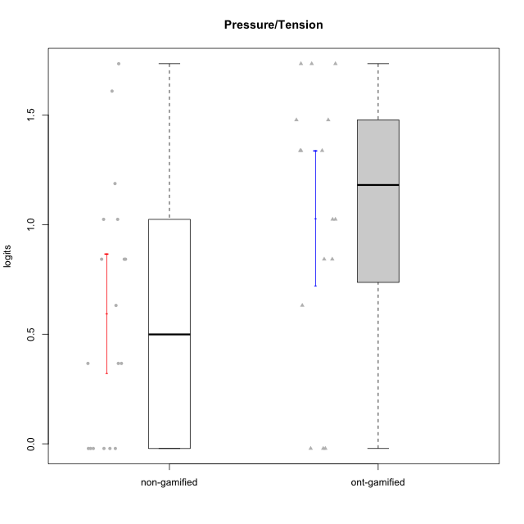

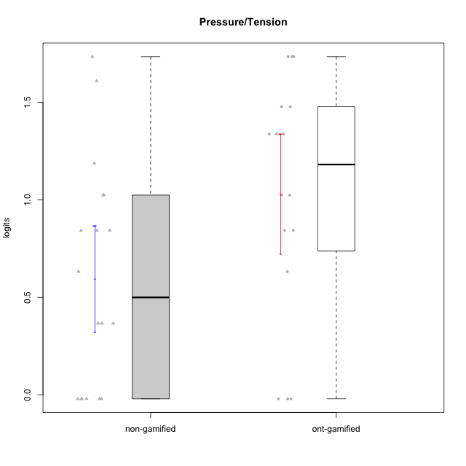

Student's t-Test data
UserID | NroUSP | Type | CLGroup | CLRole | PlayerRole | Pressure/Tension | error | WLE.rel
10169 | 10377538 | ont-gamified | Grupo Hefesto | Master | Yee Achiever | 0.84260097727 | 0.45618683454 | 0.4489952207
10171 | 698531 | non-gamified | Grupo Team 6 | Apprentice |  | -0.021234395621 | 0.72522816969 | 0.4489952207
10174 | 10276852 | ont-gamified | Grupo Urano | Master | Yee Achiever | -0.021234395621 | 0.72522816969 | 0.4489952207
10176 | 10276949 | ont-gamified | Grupo Cronus | Apprentice | Yee Achiever | 1.3381045341 | 0.38727206449 | 0.4489952207
10178 | 8656201 | ont-gamified | Grupo Morfeu | Apprentice | Yee Socializer | 1.0244755851 | 0.42584334351 | 0.4489952207
10179 | 10310759 | non-gamified | Grupo Team 9 | Master |  | 0.84260097727 | 0.45618683454 | 0.4489952207
10183 | 10352030 | ont-gamified | Grupo Hélio | Apprentice | Yee Socializer | 1.3381045341 | 0.38727206449 | 0.4489952207
10184 | 10276675 | ont-gamified | Grupo Apolo | Master | Yee Socializer | 1.0244755851 | 0.42584334351 | 0.4489952207
10185 | 10276960 | non-gamified | Grupo Team 12 | Apprentice |  | 1.0244755851 | 0.42584334351 | 0.4489952207
10186 | 10310551 | ont-gamified | Grupo Ares | Apprentice | Yee Achiever | 1.4781430624 | 0.37420860297 | 0.4489952207
10187 | 9790781 | non-gamified | Grupo Team 15 | Apprentice |  | 1.7346992074 | 0.35577448503 | 0.4489952207
10188 | 10276995 | non-gamified | Grupo Team 3 | Master |  | 0.36698137583 | 0.57568400404 | 0.4489952207
10189 | 9363926 | ont-gamified | Grupo Hades | Master | Yee Socializer | 1.7346992074 | 0.35577448503 | 0.4489952207
10190 | 10276907 | ont-gamified | Grupo Zeus | Apprentice | Yee Socializer | 0.63150693265 | 0.50125983293 | 0.4489952207
10191 | 10276981 | non-gamified | Grupo Team 6 | Master |  | -0.021234395621 | 0.72522816969 | 0.4489952207
10193 | 10276762 | ont-gamified | Grupo Afrodite | Master | Yee Achiever | -0.021234395621 | 0.72522816969 | 0.4489952207
10199 | 10276737 | ont-gamified | Grupo Gaia | Master | Yee Achiever | 1.3381045341 | 0.38727206449 | 0.4489952207
10201 | 10276928 | ont-gamified | Grupo Caronte | Master | Yee Achiever | 0.84260097727 | 0.45618683454 | 0.4489952207
10203 | 9921470 | non-gamified | Grupo Team 3 | Apprentice |  | -0.021234395621 | 0.72522816969 | 0.4489952207
10206 | 10310721 | ont-gamified | Grupo Hera | Master | Yee Achiever | 1.7346992074 | 0.35577448503 | 0.4489952207
10208 | 10276932 | non-gamified | Grupo Team 7 | Apprentice |  | 0.63150693265 | 0.50125983293 | 0.4489952207
10211 | 9311643 | non-gamified | Grupo Team 2 | Master |  | 0.84260097727 | 0.45618683454 | 0.4489952207
10212 | 9065750 | non-gamified | Grupo Team 4 | Master |  | 1.187858316 | 0.40392550784 | 0.4489952207
10214 | 10277022 | non-gamified | Grupo Team 5 | Master |  | 0.84260097727 | 0.45618683454 | 0.4489952207
10216 | 10276720 | non-gamified | Grupo Team 15 | Master |  | -0.021234395621 | 0.72522816969 | 0.4489952207
10218 | 9842913 | ont-gamified | Grupo Ares | Master | Yee Achiever | 1.7346992074 | 0.35577448503 | 0.4489952207
10223 | 9795185 | ont-gamified | Grupo Cronus | Master | Yee Achiever | -0.021234395621 | 0.72522816969 | 0.4489952207
10224 | 9368772 | non-gamified | Grupo Team 10 | Apprentice |  | 0.36698137583 | 0.57568400404 | 0.4489952207
10226 | 10310342 | non-gamified | Grupo Team 8 | Master |  | 0.36698137583 | 0.57568400404 | 0.4489952207
10228 | 10310492 | non-gamified | Grupo Team 14 | Apprentice |  | 1.0244755851 | 0.42584334351 | 0.4489952207
10230 | 10351992 | non-gamified | Grupo Team 14 | Master |  | 1.6098419107 | 0.36385645687 | 0.4489952207
10232 | 10276974 | ont-gamified | Grupo Artemis | Master | Yee Achiever | 1.4781430624 | 0.37420860297 | 0.4489952207
10233 | 9805320 | non-gamified | Grupo Team 16 | Apprentice |  | -0.021234395621 | 0.72522816969 | 0.4489952207
10234 | 10310676 | non-gamified | Grupo Team 7 | Master |  | -0.021234395621 | 0.72522816969 | 0.4489952207

Type_CLRole_1
Student's t-Test for Pressure/Tension in Type:CLRole between non-gamified.Apprentice:non-gamified.Master

Student's t-Test results
Alternative hypothesis: less
Group | N | Mean | Mean.Difference | Std.deviation | Std.error | CI.lower | CI.upper | df | t.value | p.value | g | magnitude
non-gamified.Apprentice | 8 | 0.5898044374 | -0.0097718349311 | 0.63921342612 | 0.22599607412 | 0.13781228917 | 1.0417965856 | 14.078800962 | -0.034067088317 | 0.48665096982 | -0.015635575425 | negligible
non-gamified.Master | 10 | 0.59957627234 | 0.0097718349311 | 0.55860081879 | 0.17664508902 | 0.24628609429 | 0.95286645038 | 14.078800962 | -0.034067088317 | 0.48665096982 | -0.015635575425 | negligible
Alternative hypothesis: greater
Group | N | Mean | Mean.Difference | Std.deviation | Std.error | CI.lower | CI.upper | df | t.value | p.value | g | magnitude
non-gamified.Apprentice | 8 | 0.5898044374 | -0.0097718349311 | 0.63921342612 | 0.22599607412 | 0.13781228917 | 1.0417965856 | 14.078800962 | -0.034067088317 | 0.51334903018 | -0.015635575425 | negligible
non-gamified.Master | 10 | 0.59957627234 | 0.0097718349311 | 0.55860081879 | 0.17664508902 | 0.24628609429 | 0.95286645038 | 14.078800962 | -0.034067088317 | 0.51334903018 | -0.015635575425 | negligible
Alternative hypothesis: two.sided
Group | N | Mean | Mean.Difference | Std.deviation | Std.error | CI.lower | CI.upper | df | t.value | p.value | g | magnitude
non-gamified.Apprentice | 8 | 0.5898044374 | -0.0097718349311 | 0.63921342612 | 0.22599607412 | 0.13781228917 | 1.0417965856 | 14.078800962 | -0.034067088317 | 0.97330193964 | -0.015635575425 | negligible
non-gamified.Master | 10 | 0.59957627234 | 0.0097718349311 | 0.55860081879 | 0.17664508902 | 0.24628609429 | 0.95286645038 | 14.078800962 | -0.034067088317 | 0.97330193964 | -0.015635575425 | negligible

Box plots for Student's t-Test
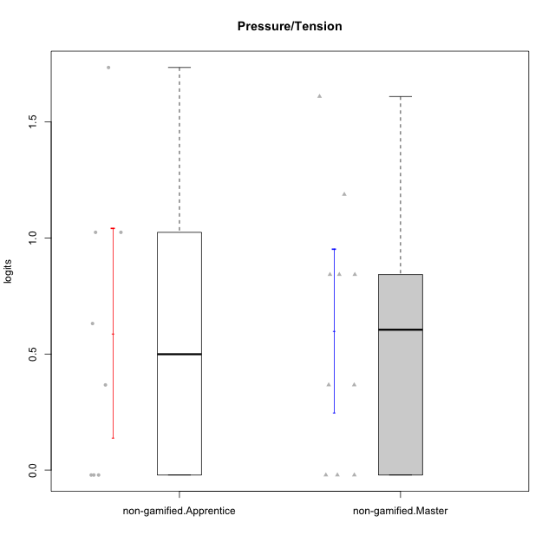

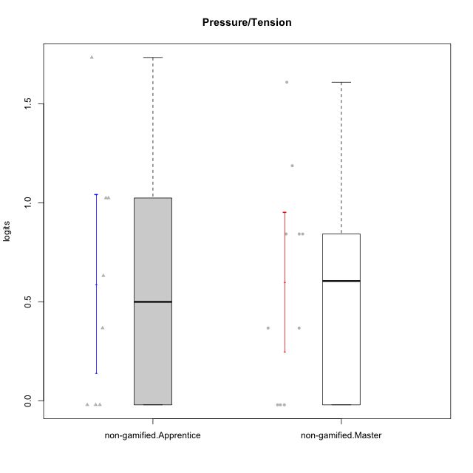

Student's t-Test data
UserID | NroUSP | Type | CLGroup | CLRole | PlayerRole | Pressure/Tension | error | WLE.rel
10171 | 698531 | non-gamified | Grupo Team 6 | Apprentice |  | -0.021234395621 | 0.72522816969 | 0.4489952207
10179 | 10310759 | non-gamified | Grupo Team 9 | Master |  | 0.84260097727 | 0.45618683454 | 0.4489952207
10185 | 10276960 | non-gamified | Grupo Team 12 | Apprentice |  | 1.0244755851 | 0.42584334351 | 0.4489952207
10187 | 9790781 | non-gamified | Grupo Team 15 | Apprentice |  | 1.7346992074 | 0.35577448503 | 0.4489952207
10188 | 10276995 | non-gamified | Grupo Team 3 | Master |  | 0.36698137583 | 0.57568400404 | 0.4489952207
10191 | 10276981 | non-gamified | Grupo Team 6 | Master |  | -0.021234395621 | 0.72522816969 | 0.4489952207
10203 | 9921470 | non-gamified | Grupo Team 3 | Apprentice |  | -0.021234395621 | 0.72522816969 | 0.4489952207
10208 | 10276932 | non-gamified | Grupo Team 7 | Apprentice |  | 0.63150693265 | 0.50125983293 | 0.4489952207
10211 | 9311643 | non-gamified | Grupo Team 2 | Master |  | 0.84260097727 | 0.45618683454 | 0.4489952207
10212 | 9065750 | non-gamified | Grupo Team 4 | Master |  | 1.187858316 | 0.40392550784 | 0.4489952207
10214 | 10277022 | non-gamified | Grupo Team 5 | Master |  | 0.84260097727 | 0.45618683454 | 0.4489952207
10216 | 10276720 | non-gamified | Grupo Team 15 | Master |  | -0.021234395621 | 0.72522816969 | 0.4489952207
10224 | 9368772 | non-gamified | Grupo Team 10 | Apprentice |  | 0.36698137583 | 0.57568400404 | 0.4489952207
10226 | 10310342 | non-gamified | Grupo Team 8 | Master |  | 0.36698137583 | 0.57568400404 | 0.4489952207
10228 | 10310492 | non-gamified | Grupo Team 14 | Apprentice |  | 1.0244755851 | 0.42584334351 | 0.4489952207
10230 | 10351992 | non-gamified | Grupo Team 14 | Master |  | 1.6098419107 | 0.36385645687 | 0.4489952207
10233 | 9805320 | non-gamified | Grupo Team 16 | Apprentice |  | -0.021234395621 | 0.72522816969 | 0.4489952207
10234 | 10310676 | non-gamified | Grupo Team 7 | Master |  | -0.021234395621 | 0.72522816969 | 0.4489952207

Type_CLRole_2
Student's t-Test for Pressure/Tension in Type:CLRole between non-gamified.Apprentice:ont-gamified.Apprentice

Student's t-Test results
Alternative hypothesis: less
Group | N | Mean | Mean.Difference | Std.deviation | Std.error | CI.lower | CI.upper | df | t.value | p.value | g | magnitude
non-gamified.Apprentice | 8 | 0.5898044374 | -0.57226249228 | 0.63921342612 | 0.22599607412 | 0.13781228917 | 1.0417965856 | 10.872636071 | -2.1009886636 | 0.029893915834 | -0.968619002 | large
ont-gamified.Apprentice | 5 | 1.1620669297 | 0.57226249228 | 0.33996613309 | 0.15203747673 | 0.85799197623 | 1.4661418831 | 10.872636071 | -2.1009886636 | 0.029893915834 | -0.968619002 | large
Alternative hypothesis: greater
Group | N | Mean | Mean.Difference | Std.deviation | Std.error | CI.lower | CI.upper | df | t.value | p.value | g | magnitude
non-gamified.Apprentice | 8 | 0.5898044374 | -0.57226249228 | 0.63921342612 | 0.22599607412 | 0.13781228917 | 1.0417965856 | 10.872636071 | -2.1009886636 | 0.97010608417 | -0.968619002 | large
ont-gamified.Apprentice | 5 | 1.1620669297 | 0.57226249228 | 0.33996613309 | 0.15203747673 | 0.85799197623 | 1.4661418831 | 10.872636071 | -2.1009886636 | 0.97010608417 | -0.968619002 | large
Alternative hypothesis: two.sided
Group | N | Mean | Mean.Difference | Std.deviation | Std.error | CI.lower | CI.upper | df | t.value | p.value | g | magnitude
non-gamified.Apprentice | 8 | 0.5898044374 | -0.57226249228 | 0.63921342612 | 0.22599607412 | 0.13781228917 | 1.0417965856 | 10.872636071 | -2.1009886636 | 0.059787831668 | -0.968619002 | large
ont-gamified.Apprentice | 5 | 1.1620669297 | 0.57226249228 | 0.33996613309 | 0.15203747673 | 0.85799197623 | 1.4661418831 | 10.872636071 | -2.1009886636 | 0.059787831668 | -0.968619002 | large

Box plots for Student's t-Test
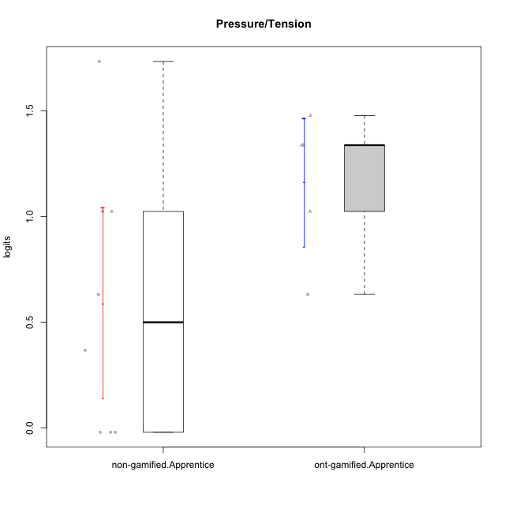

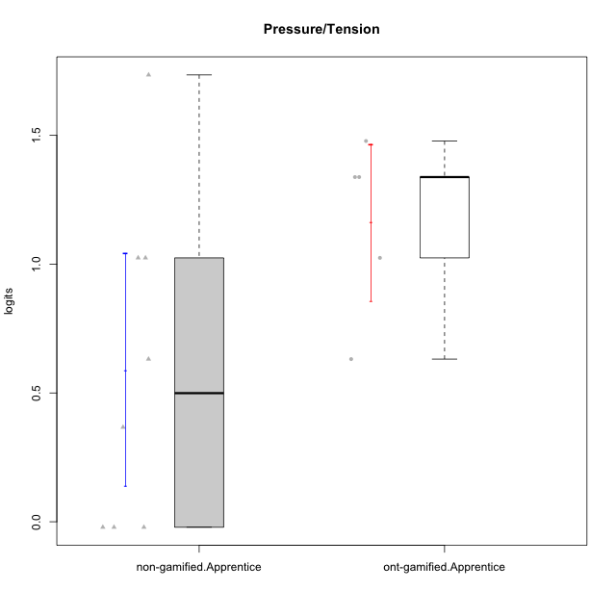

Student's t-Test data
UserID | NroUSP | Type | CLGroup | CLRole | PlayerRole | Pressure/Tension | error | WLE.rel
10171 | 698531 | non-gamified | Grupo Team 6 | Apprentice |  | -0.021234395621 | 0.72522816969 | 0.4489952207
10176 | 10276949 | ont-gamified | Grupo Cronus | Apprentice | Yee Achiever | 1.3381045341 | 0.38727206449 | 0.4489952207
10178 | 8656201 | ont-gamified | Grupo Morfeu | Apprentice | Yee Socializer | 1.0244755851 | 0.42584334351 | 0.4489952207
10183 | 10352030 | ont-gamified | Grupo Hélio | Apprentice | Yee Socializer | 1.3381045341 | 0.38727206449 | 0.4489952207
10185 | 10276960 | non-gamified | Grupo Team 12 | Apprentice |  | 1.0244755851 | 0.42584334351 | 0.4489952207
10186 | 10310551 | ont-gamified | Grupo Ares | Apprentice | Yee Achiever | 1.4781430624 | 0.37420860297 | 0.4489952207
10187 | 9790781 | non-gamified | Grupo Team 15 | Apprentice |  | 1.7346992074 | 0.35577448503 | 0.4489952207
10190 | 10276907 | ont-gamified | Grupo Zeus | Apprentice | Yee Socializer | 0.63150693265 | 0.50125983293 | 0.4489952207
10203 | 9921470 | non-gamified | Grupo Team 3 | Apprentice |  | -0.021234395621 | 0.72522816969 | 0.4489952207
10208 | 10276932 | non-gamified | Grupo Team 7 | Apprentice |  | 0.63150693265 | 0.50125983293 | 0.4489952207
10224 | 9368772 | non-gamified | Grupo Team 10 | Apprentice |  | 0.36698137583 | 0.57568400404 | 0.4489952207
10228 | 10310492 | non-gamified | Grupo Team 14 | Apprentice |  | 1.0244755851 | 0.42584334351 | 0.4489952207
10233 | 9805320 | non-gamified | Grupo Team 16 | Apprentice |  | -0.021234395621 | 0.72522816969 | 0.4489952207

Type_CLRole_3
Student's t-Test for Pressure/Tension in Type:CLRole between non-gamified.Apprentice:ont-gamified.Master

Student's t-Test results
Alternative hypothesis: less
Group | N | Mean | Mean.Difference | Std.deviation | Std.error | CI.lower | CI.upper | df | t.value | p.value | g | magnitude
non-gamified.Apprentice | 8 | 0.5898044374 | -0.37986097818 | 0.63921342612 | 0.22599607412 | 0.13781228917 | 1.0417965856 | 16.17861705 | -1.2151566442 | 0.12087147305 | -0.52923384742 | medium
ont-gamified.Master | 11 | 0.96966541559 | 0.37986097818 | 0.71631482006 | 0.21597704454 | 0.53771132651 | 1.4016195047 | 16.17861705 | -1.2151566442 | 0.12087147305 | -0.52923384742 | medium
Alternative hypothesis: greater
Group | N | Mean | Mean.Difference | Std.deviation | Std.error | CI.lower | CI.upper | df | t.value | p.value | g | magnitude
non-gamified.Apprentice | 8 | 0.5898044374 | -0.37986097818 | 0.63921342612 | 0.22599607412 | 0.13781228917 | 1.0417965856 | 16.17861705 | -1.2151566442 | 0.87912852695 | -0.52923384742 | medium
ont-gamified.Master | 11 | 0.96966541559 | 0.37986097818 | 0.71631482006 | 0.21597704454 | 0.53771132651 | 1.4016195047 | 16.17861705 | -1.2151566442 | 0.87912852695 | -0.52923384742 | medium
Alternative hypothesis: two.sided
Group | N | Mean | Mean.Difference | Std.deviation | Std.error | CI.lower | CI.upper | df | t.value | p.value | g | magnitude
non-gamified.Apprentice | 8 | 0.5898044374 | -0.37986097818 | 0.63921342612 | 0.22599607412 | 0.13781228917 | 1.0417965856 | 16.17861705 | -1.2151566442 | 0.2417429461 | -0.52923384742 | medium
ont-gamified.Master | 11 | 0.96966541559 | 0.37986097818 | 0.71631482006 | 0.21597704454 | 0.53771132651 | 1.4016195047 | 16.17861705 | -1.2151566442 | 0.2417429461 | -0.52923384742 | medium

Box plots for Student's t-Test
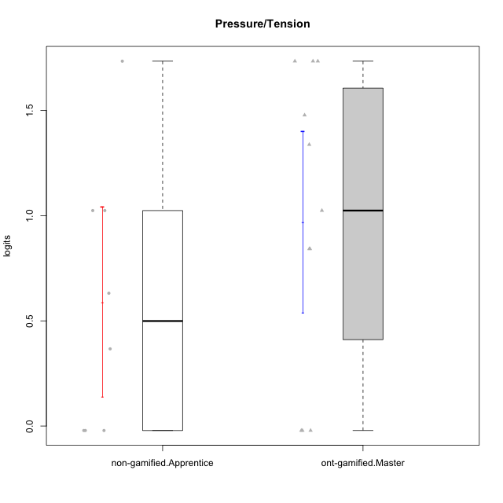

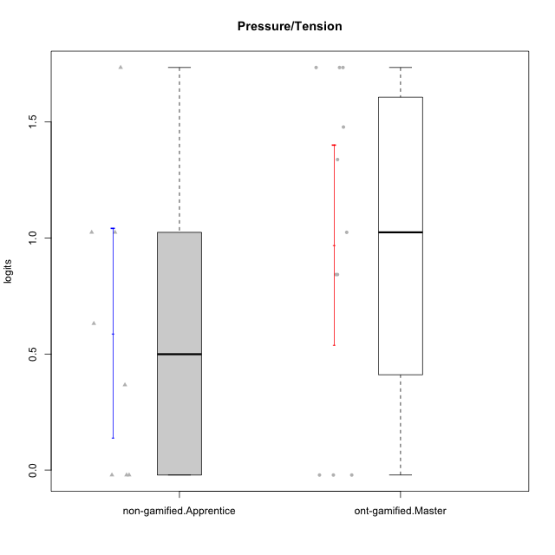

Student's t-Test data
UserID | NroUSP | Type | CLGroup | CLRole | PlayerRole | Pressure/Tension | error | WLE.rel
10169 | 10377538 | ont-gamified | Grupo Hefesto | Master | Yee Achiever | 0.84260097727 | 0.45618683454 | 0.4489952207
10171 | 698531 | non-gamified | Grupo Team 6 | Apprentice |  | -0.021234395621 | 0.72522816969 | 0.4489952207
10174 | 10276852 | ont-gamified | Grupo Urano | Master | Yee Achiever | -0.021234395621 | 0.72522816969 | 0.4489952207
10184 | 10276675 | ont-gamified | Grupo Apolo | Master | Yee Socializer | 1.0244755851 | 0.42584334351 | 0.4489952207
10185 | 10276960 | non-gamified | Grupo Team 12 | Apprentice |  | 1.0244755851 | 0.42584334351 | 0.4489952207
10187 | 9790781 | non-gamified | Grupo Team 15 | Apprentice |  | 1.7346992074 | 0.35577448503 | 0.4489952207
10189 | 9363926 | ont-gamified | Grupo Hades | Master | Yee Socializer | 1.7346992074 | 0.35577448503 | 0.4489952207
10193 | 10276762 | ont-gamified | Grupo Afrodite | Master | Yee Achiever | -0.021234395621 | 0.72522816969 | 0.4489952207
10199 | 10276737 | ont-gamified | Grupo Gaia | Master | Yee Achiever | 1.3381045341 | 0.38727206449 | 0.4489952207
10201 | 10276928 | ont-gamified | Grupo Caronte | Master | Yee Achiever | 0.84260097727 | 0.45618683454 | 0.4489952207
10203 | 9921470 | non-gamified | Grupo Team 3 | Apprentice |  | -0.021234395621 | 0.72522816969 | 0.4489952207
10206 | 10310721 | ont-gamified | Grupo Hera | Master | Yee Achiever | 1.7346992074 | 0.35577448503 | 0.4489952207
10208 | 10276932 | non-gamified | Grupo Team 7 | Apprentice |  | 0.63150693265 | 0.50125983293 | 0.4489952207
10218 | 9842913 | ont-gamified | Grupo Ares | Master | Yee Achiever | 1.7346992074 | 0.35577448503 | 0.4489952207
10223 | 9795185 | ont-gamified | Grupo Cronus | Master | Yee Achiever | -0.021234395621 | 0.72522816969 | 0.4489952207
10224 | 9368772 | non-gamified | Grupo Team 10 | Apprentice |  | 0.36698137583 | 0.57568400404 | 0.4489952207
10228 | 10310492 | non-gamified | Grupo Team 14 | Apprentice |  | 1.0244755851 | 0.42584334351 | 0.4489952207
10232 | 10276974 | ont-gamified | Grupo Artemis | Master | Yee Achiever | 1.4781430624 | 0.37420860297 | 0.4489952207
10233 | 9805320 | non-gamified | Grupo Team 16 | Apprentice |  | -0.021234395621 | 0.72522816969 | 0.4489952207

Type_CLRole_4
Student's t-Test for Pressure/Tension in Type:CLRole between non-gamified.Master:ont-gamified.Apprentice

Student's t-Test results
Alternative hypothesis: less
Group | N | Mean | Mean.Difference | Std.deviation | Std.error | CI.lower | CI.upper | df | t.value | p.value | g | magnitude
non-gamified.Master | 10 | 0.59957627234 | -0.56249065735 | 0.55860081879 | 0.17664508902 | 0.24628609429 | 0.95286645038 | 12.204191981 | -2.4134588751 | 0.016197800143 | -1.0554627001 | large
ont-gamified.Apprentice | 5 | 1.1620669297 | 0.56249065735 | 0.33996613309 | 0.15203747673 | 0.85799197623 | 1.4661418831 | 12.204191981 | -2.4134588751 | 0.016197800143 | -1.0554627001 | large
Alternative hypothesis: greater
Group | N | Mean | Mean.Difference | Std.deviation | Std.error | CI.lower | CI.upper | df | t.value | p.value | g | magnitude
non-gamified.Master | 10 | 0.59957627234 | -0.56249065735 | 0.55860081879 | 0.17664508902 | 0.24628609429 | 0.95286645038 | 12.204191981 | -2.4134588751 | 0.98380219986 | -1.0554627001 | large
ont-gamified.Apprentice | 5 | 1.1620669297 | 0.56249065735 | 0.33996613309 | 0.15203747673 | 0.85799197623 | 1.4661418831 | 12.204191981 | -2.4134588751 | 0.98380219986 | -1.0554627001 | large
Alternative hypothesis: two.sided
Group | N | Mean | Mean.Difference | Std.deviation | Std.error | CI.lower | CI.upper | df | t.value | p.value | g | magnitude
non-gamified.Master | 10 | 0.59957627234 | -0.56249065735 | 0.55860081879 | 0.17664508902 | 0.24628609429 | 0.95286645038 | 12.204191981 | -2.4134588751 | 0.032395600286 | -1.0554627001 | large
ont-gamified.Apprentice | 5 | 1.1620669297 | 0.56249065735 | 0.33996613309 | 0.15203747673 | 0.85799197623 | 1.4661418831 | 12.204191981 | -2.4134588751 | 0.032395600286 | -1.0554627001 | large

Box plots for Student's t-Test
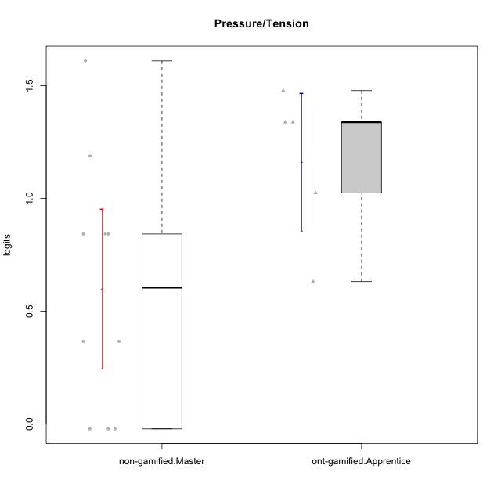

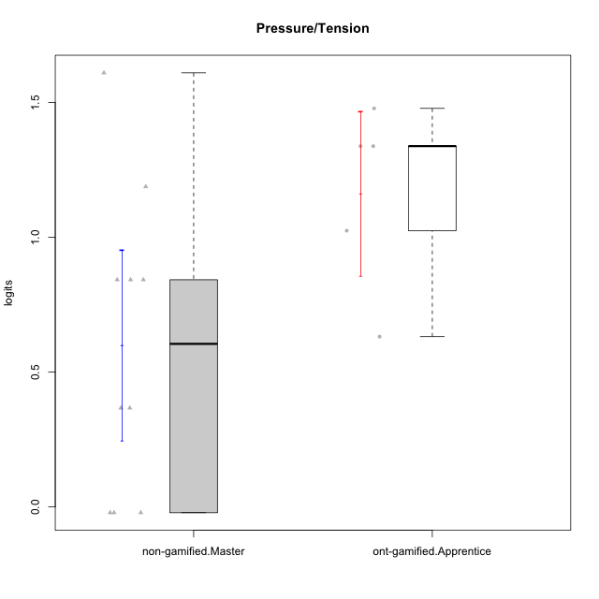

Student's t-Test data
UserID | NroUSP | Type | CLGroup | CLRole | PlayerRole | Pressure/Tension | error | WLE.rel
10176 | 10276949 | ont-gamified | Grupo Cronus | Apprentice | Yee Achiever | 1.3381045341 | 0.38727206449 | 0.4489952207
10178 | 8656201 | ont-gamified | Grupo Morfeu | Apprentice | Yee Socializer | 1.0244755851 | 0.42584334351 | 0.4489952207
10179 | 10310759 | non-gamified | Grupo Team 9 | Master |  | 0.84260097727 | 0.45618683454 | 0.4489952207
10183 | 10352030 | ont-gamified | Grupo Hélio | Apprentice | Yee Socializer | 1.3381045341 | 0.38727206449 | 0.4489952207
10186 | 10310551 | ont-gamified | Grupo Ares | Apprentice | Yee Achiever | 1.4781430624 | 0.37420860297 | 0.4489952207
10188 | 10276995 | non-gamified | Grupo Team 3 | Master |  | 0.36698137583 | 0.57568400404 | 0.4489952207
10190 | 10276907 | ont-gamified | Grupo Zeus | Apprentice | Yee Socializer | 0.63150693265 | 0.50125983293 | 0.4489952207
10191 | 10276981 | non-gamified | Grupo Team 6 | Master |  | -0.021234395621 | 0.72522816969 | 0.4489952207
10211 | 9311643 | non-gamified | Grupo Team 2 | Master |  | 0.84260097727 | 0.45618683454 | 0.4489952207
10212 | 9065750 | non-gamified | Grupo Team 4 | Master |  | 1.187858316 | 0.40392550784 | 0.4489952207
10214 | 10277022 | non-gamified | Grupo Team 5 | Master |  | 0.84260097727 | 0.45618683454 | 0.4489952207
10216 | 10276720 | non-gamified | Grupo Team 15 | Master |  | -0.021234395621 | 0.72522816969 | 0.4489952207
10226 | 10310342 | non-gamified | Grupo Team 8 | Master |  | 0.36698137583 | 0.57568400404 | 0.4489952207
10230 | 10351992 | non-gamified | Grupo Team 14 | Master |  | 1.6098419107 | 0.36385645687 | 0.4489952207
10234 | 10310676 | non-gamified | Grupo Team 7 | Master |  | -0.021234395621 | 0.72522816969 | 0.4489952207

Type_CLRole_5
Student's t-Test for Pressure/Tension in Type:CLRole between non-gamified.Master:ont-gamified.Master

Student's t-Test results
Alternative hypothesis: less
Group | N | Mean | Mean.Difference | Std.deviation | Std.error | CI.lower | CI.upper | df | t.value | p.value | g | magnitude
non-gamified.Master | 10 | 0.59957627234 | -0.37008914325 | 0.55860081879 | 0.17664508902 | 0.24628609429 | 0.95286645038 | 18.603793197 | -1.3264113594 | 0.10037870977 | -0.54961806608 | medium
ont-gamified.Master | 11 | 0.96966541559 | 0.37008914325 | 0.71631482006 | 0.21597704454 | 0.53771132651 | 1.4016195047 | 18.603793197 | -1.3264113594 | 0.10037870977 | -0.54961806608 | medium
Alternative hypothesis: greater
Group | N | Mean | Mean.Difference | Std.deviation | Std.error | CI.lower | CI.upper | df | t.value | p.value | g | magnitude
non-gamified.Master | 10 | 0.59957627234 | -0.37008914325 | 0.55860081879 | 0.17664508902 | 0.24628609429 | 0.95286645038 | 18.603793197 | -1.3264113594 | 0.89962129023 | -0.54961806608 | medium
ont-gamified.Master | 11 | 0.96966541559 | 0.37008914325 | 0.71631482006 | 0.21597704454 | 0.53771132651 | 1.4016195047 | 18.603793197 | -1.3264113594 | 0.89962129023 | -0.54961806608 | medium
Alternative hypothesis: two.sided
Group | N | Mean | Mean.Difference | Std.deviation | Std.error | CI.lower | CI.upper | df | t.value | p.value | g | magnitude
non-gamified.Master | 10 | 0.59957627234 | -0.37008914325 | 0.55860081879 | 0.17664508902 | 0.24628609429 | 0.95286645038 | 18.603793197 | -1.3264113594 | 0.20075741955 | -0.54961806608 | medium
ont-gamified.Master | 11 | 0.96966541559 | 0.37008914325 | 0.71631482006 | 0.21597704454 | 0.53771132651 | 1.4016195047 | 18.603793197 | -1.3264113594 | 0.20075741955 | -0.54961806608 | medium

Box plots for Student's t-Test
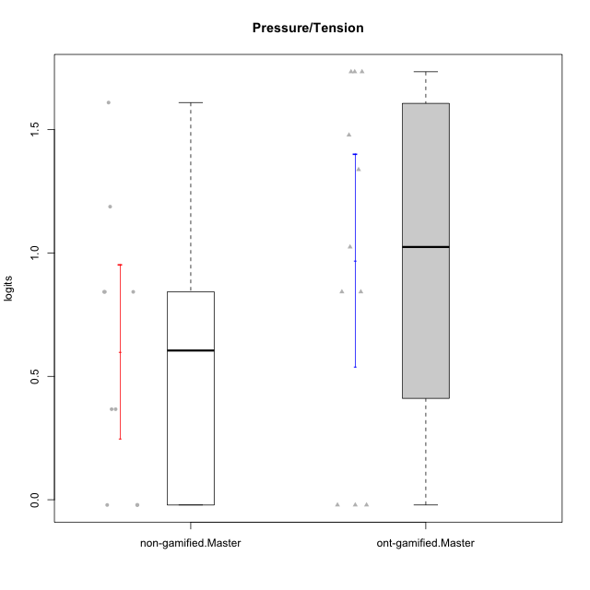

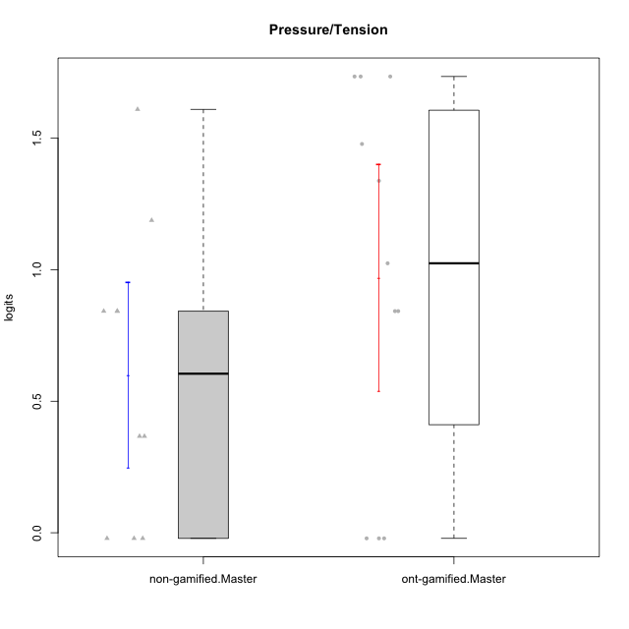

Student's t-Test data
UserID | NroUSP | Type | CLGroup | CLRole | PlayerRole | Pressure/Tension | error | WLE.rel
10169 | 10377538 | ont-gamified | Grupo Hefesto | Master | Yee Achiever | 0.84260097727 | 0.45618683454 | 0.4489952207
10174 | 10276852 | ont-gamified | Grupo Urano | Master | Yee Achiever | -0.021234395621 | 0.72522816969 | 0.4489952207
10179 | 10310759 | non-gamified | Grupo Team 9 | Master |  | 0.84260097727 | 0.45618683454 | 0.4489952207
10184 | 10276675 | ont-gamified | Grupo Apolo | Master | Yee Socializer | 1.0244755851 | 0.42584334351 | 0.4489952207
10188 | 10276995 | non-gamified | Grupo Team 3 | Master |  | 0.36698137583 | 0.57568400404 | 0.4489952207
10189 | 9363926 | ont-gamified | Grupo Hades | Master | Yee Socializer | 1.7346992074 | 0.35577448503 | 0.4489952207
10191 | 10276981 | non-gamified | Grupo Team 6 | Master |  | -0.021234395621 | 0.72522816969 | 0.4489952207
10193 | 10276762 | ont-gamified | Grupo Afrodite | Master | Yee Achiever | -0.021234395621 | 0.72522816969 | 0.4489952207
10199 | 10276737 | ont-gamified | Grupo Gaia | Master | Yee Achiever | 1.3381045341 | 0.38727206449 | 0.4489952207
10201 | 10276928 | ont-gamified | Grupo Caronte | Master | Yee Achiever | 0.84260097727 | 0.45618683454 | 0.4489952207
10206 | 10310721 | ont-gamified | Grupo Hera | Master | Yee Achiever | 1.7346992074 | 0.35577448503 | 0.4489952207
10211 | 9311643 | non-gamified | Grupo Team 2 | Master |  | 0.84260097727 | 0.45618683454 | 0.4489952207
10212 | 9065750 | non-gamified | Grupo Team 4 | Master |  | 1.187858316 | 0.40392550784 | 0.4489952207
10214 | 10277022 | non-gamified | Grupo Team 5 | Master |  | 0.84260097727 | 0.45618683454 | 0.4489952207
10216 | 10276720 | non-gamified | Grupo Team 15 | Master |  | -0.021234395621 | 0.72522816969 | 0.4489952207
10218 | 9842913 | ont-gamified | Grupo Ares | Master | Yee Achiever | 1.7346992074 | 0.35577448503 | 0.4489952207
10223 | 9795185 | ont-gamified | Grupo Cronus | Master | Yee Achiever | -0.021234395621 | 0.72522816969 | 0.4489952207
10226 | 10310342 | non-gamified | Grupo Team 8 | Master |  | 0.36698137583 | 0.57568400404 | 0.4489952207
10230 | 10351992 | non-gamified | Grupo Team 14 | Master |  | 1.6098419107 | 0.36385645687 | 0.4489952207
10232 | 10276974 | ont-gamified | Grupo Artemis | Master | Yee Achiever | 1.4781430624 | 0.37420860297 | 0.4489952207
10234 | 10310676 | non-gamified | Grupo Team 7 | Master |  | -0.021234395621 | 0.72522816969 | 0.4489952207

Type_CLRole_6
Student's t-Test for Pressure/Tension in Type:CLRole between ont-gamified.Apprentice:ont-gamified.Master

Student's t-Test results
Alternative hypothesis: less
Group | N | Mean | Mean.Difference | Std.deviation | Std.error | CI.lower | CI.upper | df | t.value | p.value | g | magnitude
ont-gamified.Apprentice | 5 | 1.1620669297 | 0.1924015141 | 0.33996613309 | 0.15203747673 | 0.85799197623 | 1.4661418831 | 13.858581871 | 0.72845151101 | 0.7607667108 | 0.28779027045 | small
ont-gamified.Master | 11 | 0.96966541559 | -0.1924015141 | 0.71631482006 | 0.21597704454 | 0.53771132651 | 1.4016195047 | 13.858581871 | 0.72845151101 | 0.7607667108 | 0.28779027045 | small
Alternative hypothesis: greater
Group | N | Mean | Mean.Difference | Std.deviation | Std.error | CI.lower | CI.upper | df | t.value | p.value | g | magnitude
ont-gamified.Apprentice | 5 | 1.1620669297 | 0.1924015141 | 0.33996613309 | 0.15203747673 | 0.85799197623 | 1.4661418831 | 13.858581871 | 0.72845151101 | 0.2392332892 | 0.28779027045 | small
ont-gamified.Master | 11 | 0.96966541559 | -0.1924015141 | 0.71631482006 | 0.21597704454 | 0.53771132651 | 1.4016195047 | 13.858581871 | 0.72845151101 | 0.2392332892 | 0.28779027045 | small
Alternative hypothesis: two.sided
Group | N | Mean | Mean.Difference | Std.deviation | Std.error | CI.lower | CI.upper | df | t.value | p.value | g | magnitude
ont-gamified.Apprentice | 5 | 1.1620669297 | 0.1924015141 | 0.33996613309 | 0.15203747673 | 0.85799197623 | 1.4661418831 | 13.858581871 | 0.72845151101 | 0.4784665784 | 0.28779027045 | small
ont-gamified.Master | 11 | 0.96966541559 | -0.1924015141 | 0.71631482006 | 0.21597704454 | 0.53771132651 | 1.4016195047 | 13.858581871 | 0.72845151101 | 0.4784665784 | 0.28779027045 | small

Box plots for Student's t-Test
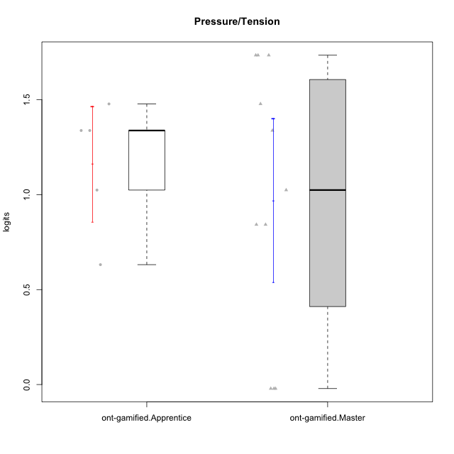

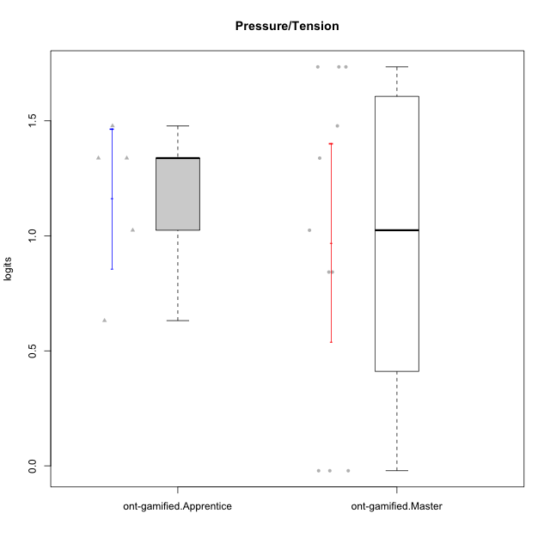

Student's t-Test data
UserID | NroUSP | Type | CLGroup | CLRole | PlayerRole | Pressure/Tension | error | WLE.rel
10169 | 10377538 | ont-gamified | Grupo Hefesto | Master | Yee Achiever | 0.84260097727 | 0.45618683454 | 0.4489952207
10174 | 10276852 | ont-gamified | Grupo Urano | Master | Yee Achiever | -0.021234395621 | 0.72522816969 | 0.4489952207
10176 | 10276949 | ont-gamified | Grupo Cronus | Apprentice | Yee Achiever | 1.3381045341 | 0.38727206449 | 0.4489952207
10178 | 8656201 | ont-gamified | Grupo Morfeu | Apprentice | Yee Socializer | 1.0244755851 | 0.42584334351 | 0.4489952207
10183 | 10352030 | ont-gamified | Grupo Hélio | Apprentice | Yee Socializer | 1.3381045341 | 0.38727206449 | 0.4489952207
10184 | 10276675 | ont-gamified | Grupo Apolo | Master | Yee Socializer | 1.0244755851 | 0.42584334351 | 0.4489952207
10186 | 10310551 | ont-gamified | Grupo Ares | Apprentice | Yee Achiever | 1.4781430624 | 0.37420860297 | 0.4489952207
10189 | 9363926 | ont-gamified | Grupo Hades | Master | Yee Socializer | 1.7346992074 | 0.35577448503 | 0.4489952207
10190 | 10276907 | ont-gamified | Grupo Zeus | Apprentice | Yee Socializer | 0.63150693265 | 0.50125983293 | 0.4489952207
10193 | 10276762 | ont-gamified | Grupo Afrodite | Master | Yee Achiever | -0.021234395621 | 0.72522816969 | 0.4489952207
10199 | 10276737 | ont-gamified | Grupo Gaia | Master | Yee Achiever | 1.3381045341 | 0.38727206449 | 0.4489952207
10201 | 10276928 | ont-gamified | Grupo Caronte | Master | Yee Achiever | 0.84260097727 | 0.45618683454 | 0.4489952207
10206 | 10310721 | ont-gamified | Grupo Hera | Master | Yee Achiever | 1.7346992074 | 0.35577448503 | 0.4489952207
10218 | 9842913 | ont-gamified | Grupo Ares | Master | Yee Achiever | 1.7346992074 | 0.35577448503 | 0.4489952207
10223 | 9795185 | ont-gamified | Grupo Cronus | Master | Yee Achiever | -0.021234395621 | 0.72522816969 | 0.4489952207
10232 | 10276974 | ont-gamified | Grupo Artemis | Master | Yee Achiever | 1.4781430624 | 0.37420860297 | 0.4489952207

