Global-info
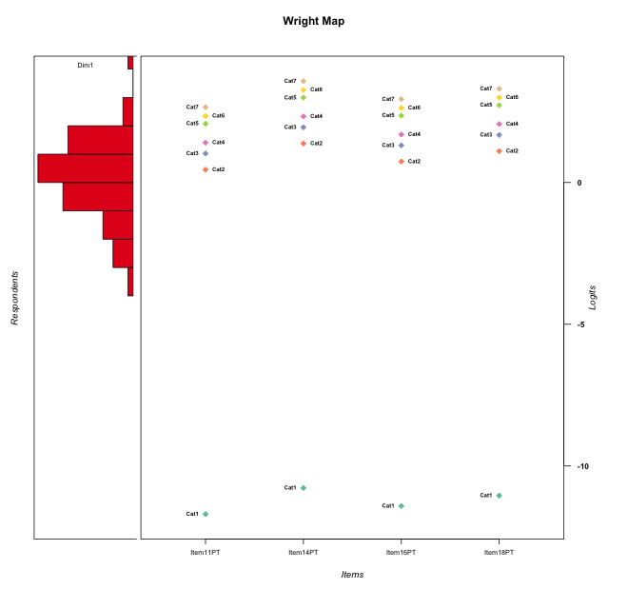
Global information for a measurement model

Information
Number.of.items | Deviance | Log.Likelihood | Number.of.persons | EAP.rel | n.theta.nodes | irt.model
4 | 526.89252824 | -263.44626412 | 60 | 0.74374820876 | 21 | RSM

Global fit statistic MADaQ3 and test fit
MADaQ3 | maxaQ3 | p
0.1478837326 | 0.40272433012 | 0.014171046652

Test statistic of global fit based on Chi square
maxX2 | Npairs | p.holm
52.543793288 | 6 | 1

Model fit statistics
X100.MADCOV | SRMR | SRMSR
12.390087808 | 0.073000320037 | 0.093747126796

Chi square tests for every item pairs
index1 | index2 | maxK1 | maxK2 | df | chi2 | p | p.holm
1 | 2 | 7 | 7 | 49 | 52.543793288 | 0.33844632576 | 1
1 | 3 | 7 | 7 | 49 | 39.866164268 | 0.82085988901 | 1
1 | 4 | 7 | 7 | 49 | 49.769528467 | 0.44249283786 | 1
2 | 3 | 7 | 7 | 49 | 18.425841979 | 0.99997876472 | 1
2 | 4 | 7 | 7 | 49 | 21.782787441 | 0.99973518314 | 1
3 | 4 | 7 | 7 | 49 | 22.616293256 | 0.99955018683 | 1

Item residuals
Item11PT | Item14PT | Item16PT | Item18PT
-1.4306304242 | -0.52000322751 | 1.9342459747 | 0.29110198999
-0.24601039335 | -0.088153027208 | -0.17779504521 | -0.11806428202
0.50452310757 | -0.17325002251 | -0.35687458582 | -0.23430913939
-0.24601039335 | -0.088153027208 | -0.17779504521 | -0.11806428202
0.50452310757 | -0.17325002251 | -0.35687458582 | -0.23430913939
-0.24601039335 | -0.088153027208 | -0.17779504521 | -0.11806428202
0.64891003451 | 0.036434565253 | 0.16067063743 | -0.2854549656
0.25243423109 | -0.65842091978 | 1.6758542029 | -0.89366531283
-0.43063042423 | 0.47999677249 | -0.06575402525 | 0.29110198999
-0.24601039335 | -0.088153027208 | -0.17779504521 | -0.11806428202
-0.35108996549 | 0.036434565253 | 0.16067063743 | 0.7145450344
1.2524342311 | -0.65842091978 | 0.67585420286 | -0.89366531283
-0.74756576891 | 0.34157908022 | -0.32414579714 | 1.1063346872
0.35668262876 | -1.134369607 | 0.90127532637 | 0.50460555972
2.7863650972 | -1.5066393304 | 1.3787080116 | -1.9378937283
0.20678554026 | 0.72369047845 | -0.57458997158 | -0.37615481762
-1.2136349028 | 1.4933606696 | 1.3787080116 | -0.93789372827
-0.10990759988 | -0.39231815349 | 0.18616058481 | 0.46454380695
-0.49547689243 | -0.17325002251 | 0.64312541418 | -0.23430913939
-0.24601039335 | -0.088153027208 | -0.17779504521 | -0.11806428202
0.50452310757 | -0.17325002251 | -0.35687458582 | -0.23430913939
-0.24601039335 | -0.088153027208 | -0.17779504521 | -0.11806428202
-0.24601039335 | -0.088153027208 | -0.17779504521 | -0.11806428202
-0.24601039335 | -0.088153027208 | -0.17779504521 | -0.11806428202
-0.24601039335 | -0.088153027208 | -0.17779504521 | -0.11806428202
2.6489100345 | 1.0364345653 | -1.8393293626 | -1.2854549656
-0.24601039335 | -0.088153027208 | -0.17779504521 | -0.11806428202
-0.43063042423 | 1.4799967725 | -0.06575402525 | -0.70889801001
0.18668349112 | 0.77471378196 | 0.29329565516 | 0.52189256779
-0.49547689243 | -0.17325002251 | 0.64312541418 | -0.23430913939
-0.24601039335 | -0.088153027208 | -0.17779504521 | -0.11806428202
1.7863650972 | 0.49336066965 | -0.62129198839 | -0.93789372827
-1.1099075999 | -0.39231815349 | 2.1861605848 | -0.53545619305
-0.24601039335 | -0.088153027208 | -0.17779504521 | -0.11806428202
-1.2171074409 | 0.67814406205 | -0.62503030207 | 2.148514996
-1.4306304242 | 0.47999677249 | -0.06575402525 | 1.29110199
-1.0545831829 | 0.19399033023 | 1.4173941271 | -0.086032526923
-0.24601039335 | -0.088153027208 | -0.17779504521 | -0.11806428202
1.5693695758 | -0.52000322751 | -1.0657540253 | 0.29110198999
-0.24601039335 | -0.088153027208 | -0.17779504521 | -0.11806428202
-0.49547689243 | 0.82674997749 | -0.35687458582 | -0.23430913939
-0.24601039335 | -0.088153027208 | -0.17779504521 | -0.11806428202
0.78636509721 | 0.49336066965 | 0.37870801161 | -0.93789372827
-0.24601039335 | -0.088153027208 | -0.17779504521 | -0.11806428202
-0.24601039335 | -0.088153027208 | -0.17779504521 | -0.11806428202
-0.24601039335 | -0.088153027208 | -0.17779504521 | -0.11806428202
0.52537206268 | 0.30503764665 | -0.86937829382 | 0.84451361721
-0.49547689243 | -0.17325002251 | 0.64312541418 | -0.23430913939
-0.79321445974 | -0.27630952155 | -0.57458997158 | 1.6238451824
-0.79321445974 | -0.27630952155 | -0.57458997158 | 1.6238451824
0.032984508596 | 0.90474793274 | -0.36234708441 | 0.39600950943
-0.74756576891 | -0.65842091978 | -0.32414579714 | 2.1063346872
3.0663442221 | -1.3178459112 | 0.63797424545 | -1.715598185
-0.24601039335 | -0.088153027208 | -0.17779504521 | -0.11806428202
3.3566826288 | -1.134369607 | -1.0987246736 | -0.49539444028
-0.49547689243 | -0.17325002251 | -0.35687458582 | 0.76569086061
-0.49547689243 | 0.82674997749 | -0.35687458582 | -0.23430913939
-0.24601039335 | -0.088153027208 | -0.17779504521 | -0.11806428202
-0.9670154914 | 0.90474793274 | -0.36234708441 | 1.3960095094
-0.24601039335 | -0.088153027208 | -0.17779504521 | -0.11806428202

Wright Map for Item Response Models

Estimate-Items
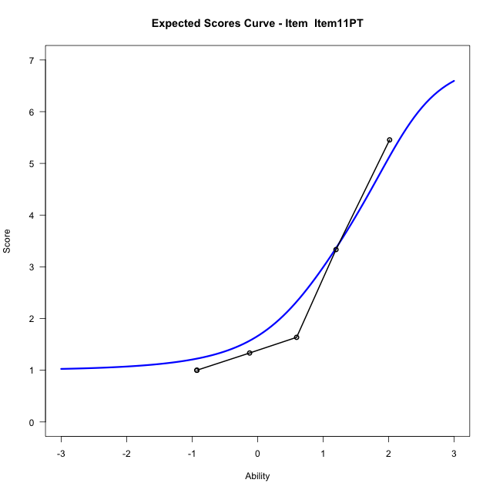
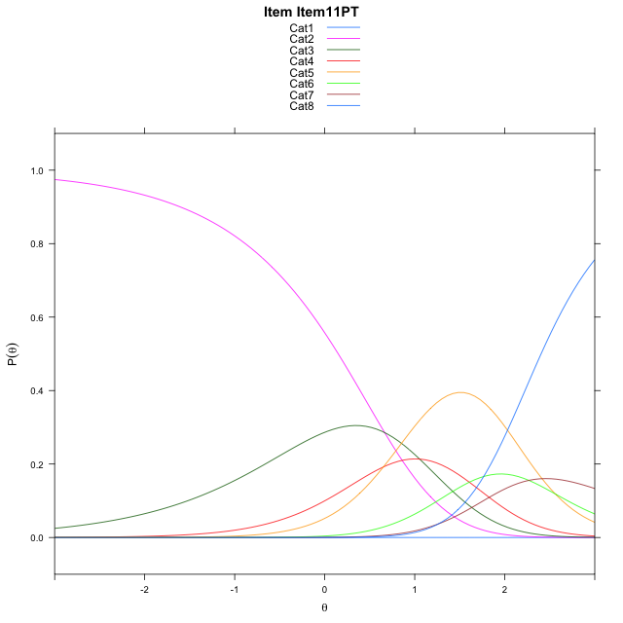
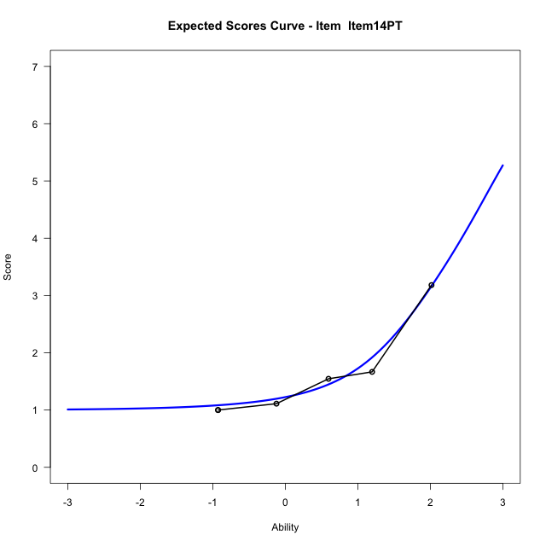
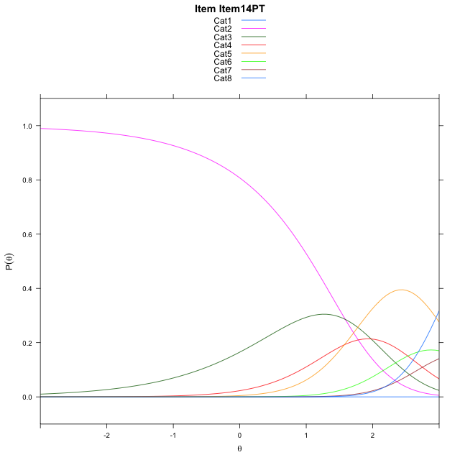
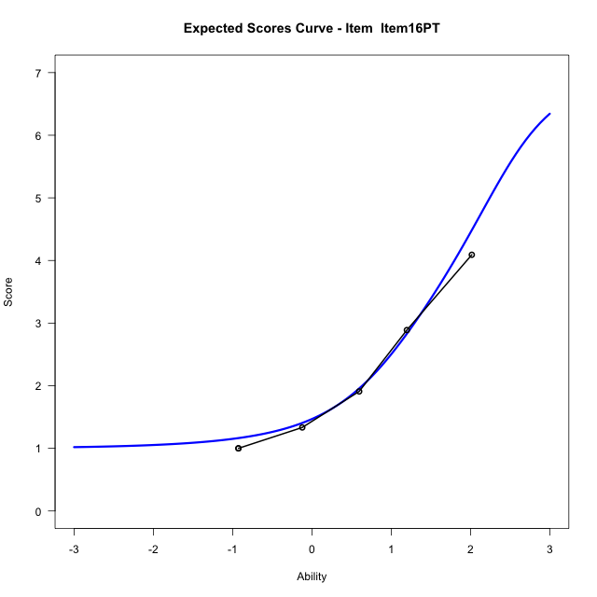
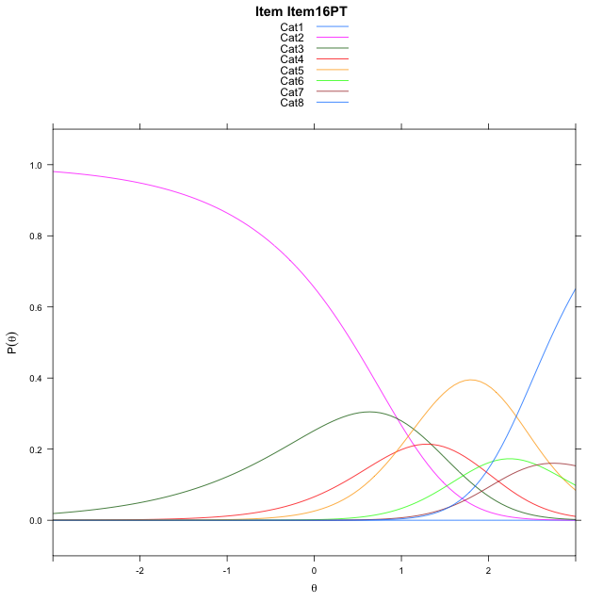
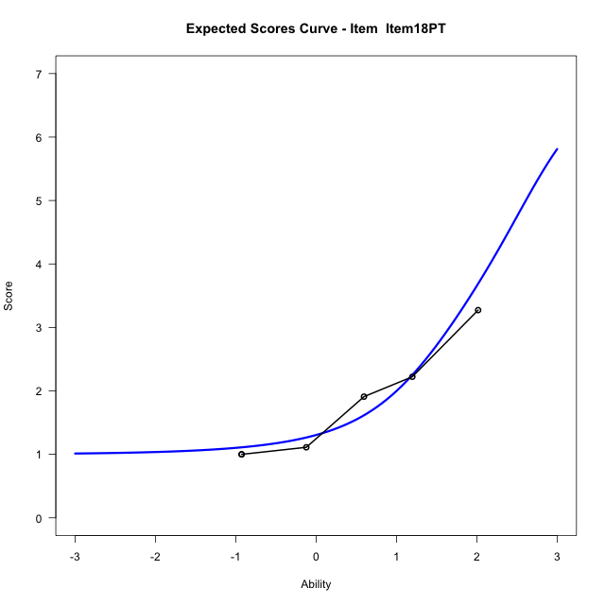
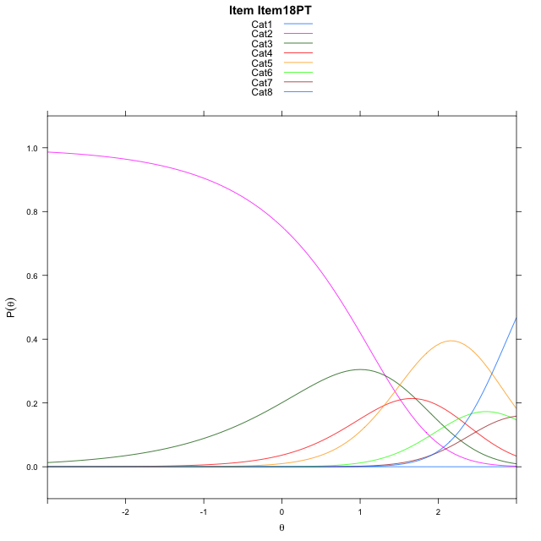
Estimate items information for the measurement model

Full Item Information
item | N | M | xsi.item | AXsi_.Cat1 | AXsi_.Cat2 | AXsi_.Cat3 | AXsi_.Cat4 | AXsi_.Cat5 | AXsi_.Cat6 | AXsi_.Cat7 | B.Cat1.Dim1 | B.Cat2.Dim1 | B.Cat3.Dim1 | B.Cat4.Dim1 | B.Cat5.Dim1 | B.Cat6.Dim1 | B.Cat7.Dim1
Item11PT | 60 | 2.3333333333 | -0.53459921943 | -12.208631915 | -11.542455492 | -10.488094697 | -9.8359900821 | -7.2749120732 | -5.0073224197 | -3.742194536 | 1 | 2 | 3 | 4 | 5 | 6 | 7
Item14PT | 60 | 1.6166666667 | 0.3873283022 | -11.286704393 | -9.6986004491 | -7.7223121322 | -6.1482799955 | -2.6652744651 | 0.52424271003 | 2.7112981154 | 1 | 2 | 3 | 4 | 5 | 6 | 7
Item16PT | 60 | 2.0666666667 | -0.24741284837 | -11.921445544 | -10.96808275 | -9.6265355839 | -8.6872445978 | -5.838980218 | -3.2842041934 | -1.7318899386 | 1 | 2 | 3 | 4 | 5 | 6 | 7
Item18PT | 60 | 1.7833333333 | 0.11987477121 | -11.554157924 | -10.233507511 | -8.5246727251 | -7.2180941195 | -4.00254212 | -1.0804784759 | 0.8391233985 | 1 | 2 | 3 | 4 | 5 | 6 | 7

Thurstonian Thresholds (category-wise)
 | Cat1 | Cat2 | Cat3 | Cat4 | Cat5 | Cat6 | Cat7
Item11PT | -11.999908447 | 0.15005493164 | 0.79696655273 | 1.182220459 | 1.8730773926 | 2.1422424316 | 2.4039001465
Item14PT | -11.286895752 | 1.0721740723 | 1.7190856934 | 2.1043395996 | 2.7951965332 | 3.0643615723 | 3.3260192871
Item16PT | -11.921905518 | 0.43716430664 | 1.0842590332 | 1.4695129395 | 2.1601867676 | 2.4293518066 | 2.6910095215
Item18PT | -11.554412842 | 0.80465698242 | 1.451751709 | 1.8368225098 | 2.5276794434 | 2.7968444824 | 3.0585021973

Thurstonian Thresholds (item-wise)
 | Threshold
Item11PT | 1.2632753807
Item14PT | 2.1766459419
Item16PT | 1.5412894383
Item18PT | 1.9142171077

Item Infit/Outfit Statistic
parameter | Outfit | Outfit_t | Outfit_p | Outfit_pholm | Infit | Infit_t | Infit_p | Infit_pholm
Item11PT | 0.99611035128 | 0.032913489492 | 0.97374357557 | 1 | 1.2817094738 | 1.1654235129 | 0.24384760425 | 1
Item14PT | 0.82261036067 | -0.28086542789 | 0.77881361824 | 1 | 0.76117894146 | -0.85825639551 | 0.39075090142 | 1
Item16PT | 0.90532109393 | -0.21360599944 | 0.83085432051 | 1 | 0.82518565745 | -0.73235259639 | 0.46395338418 | 1
Item18PT | 1.2066819883 | 0.46771664942 | 0.63998723313 | 1 | 1.0818951183 | 0.34297343012 | 0.73161844885 | 1
Cat1 | 1.4699047636 | 14.380870192 | 6.8231220381E-47 | 4.7761854267E-46 | 1.4349882301 | 1.1879392621 | 0.23485733986 | 1
Cat2 | 1.3294176461 | 0.64376694461 | 0.51972657177 | 1 | 1.4514044249 | 4.5749007834 | 4.7644571977E-06 | 4.7644571977E-05
Cat3 | 1.1663150164 | 2.7910702849 | 0.0052534063181 | 0.031520437909 | 1.3562966212 | 3.1343131308 | 0.0017225693042 | 0.015503123738
Cat4 | 1.1438846473 | 44.130053819 | 0 | 0 | 1.3349713508 | 2.6918521145 | 0.0071056445643 | 0.056845156514
Cat5 | 0.29309675384 | 2806.7404073 | 0 | 0 | 0.51092985993 | -2.4350545977 | 0.014889542867 | 0.10422680007
Cat6 | 0.94009578938 | 204119.8994 | 0 | 0 | 0.98738030492 | 0.10567818505 | 0.91583768923 | 1

Box plot of expected curves

