Assumptions
ANOVA assumptions for Satisfaction

Shapiro-Wilk normality test for Satisfaction
W | p.value
0.98734194468 | 0.80582951263

Plots for normality test
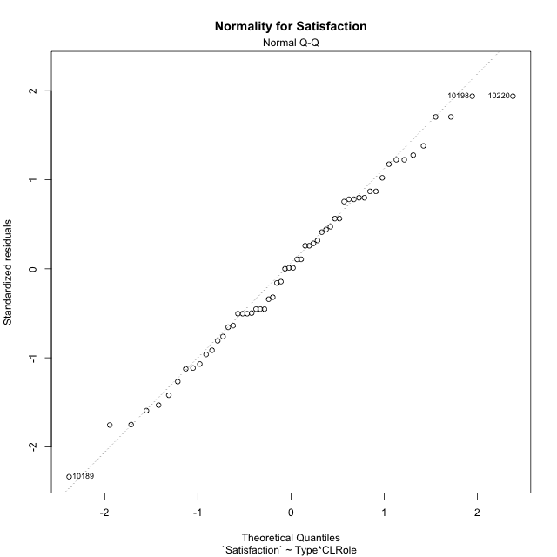

Levene's Test for Homogeneity of Variance in Satisfaction
Df | F value | Pr(>F)
3 | 0.41907082492 | 0.74003683767
54

Plots for homogeneity of variance
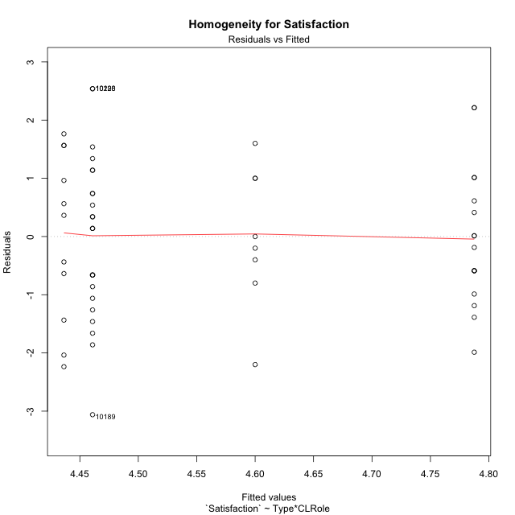

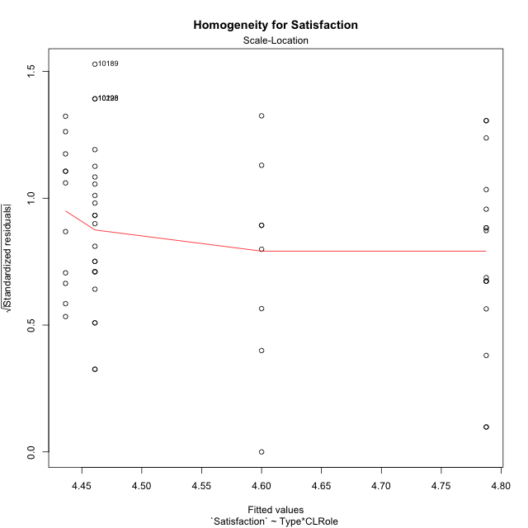

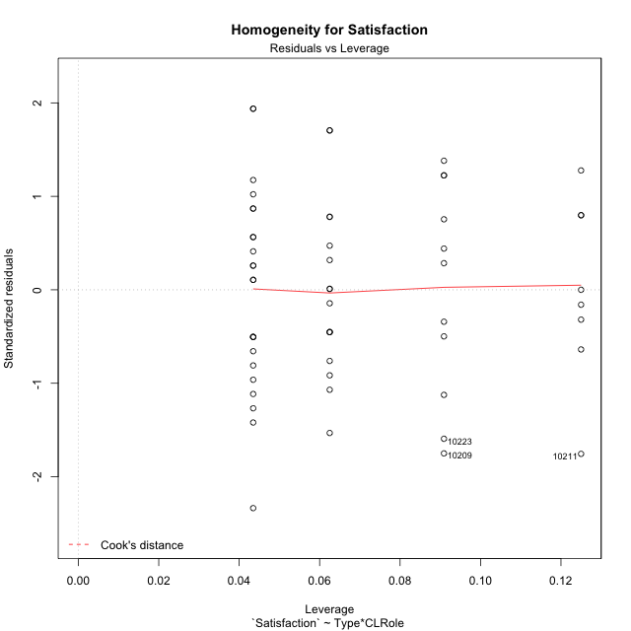

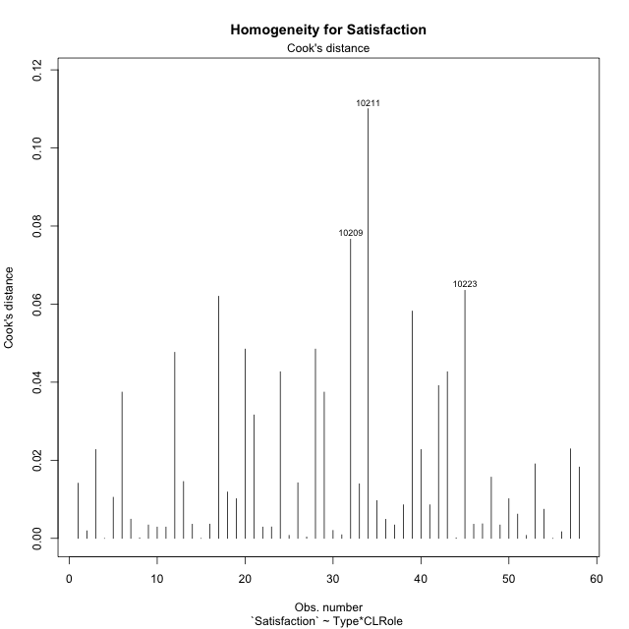

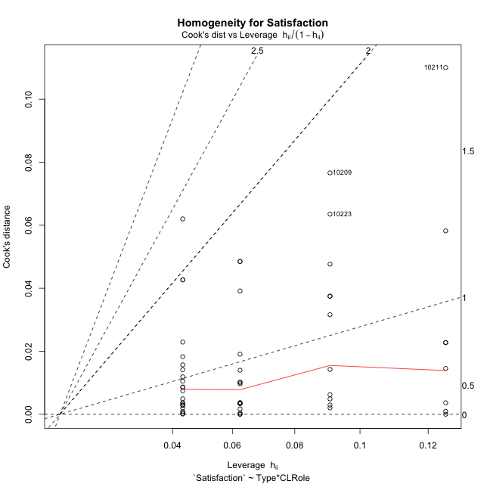

Minimum Sample Size Test for Satisfaction
Type | CLRole | Freq
non-gamified | Apprentice | 23
ont-gamified | Apprentice | 16
non-gamified | Master | 11
ont-gamified | Master | 8

Errors and Warnings in Sample Size Test for ANOVA in Satisfaction
code | description
WARN: sample.size | current.size is = 11 and recommended.size must be = 15 for the group: 'non-gamified:Master'. Size sample for parametric test isn't recomended
WARN: sample.size | current.size is = 8 and recommended.size must be = 15 for the group: 'ont-gamified:Master'. Size sample for parametric test isn't recomended

For the group: 'non-gamified:Apprentice', you can perform a parametric test with a non-normal distribution For the group: 'ont-gamified:Apprentice', you can perform a parametric test with a non-normal distribution For the group: 'non-gamified:Master', we recommend the use of non parametric test. For the group: 'ont-gamified:Master', we recommend the use of non parametric test.

If you don't want to remove non-normal data, you must cite the following references: ... (1) Lix, L.M., J.C. Keselman, and H.J. Keselman. 1996. Consequences of assumption violations revisited: A quantitative review of alternatives to the one-way analysis of variance F test. Rev. Educ. Res. 66: 579-619. ... (2) Harwell, M.R., E.N. Rubinstein, W.S. Hayes, and C.C. Olds. 1992. Summarizing Monte Carlo results in methodological research: the one- and two-factor fixed effects ANOVA cases. J. Educ. Stat. 17: 315-339.

Post-hoc
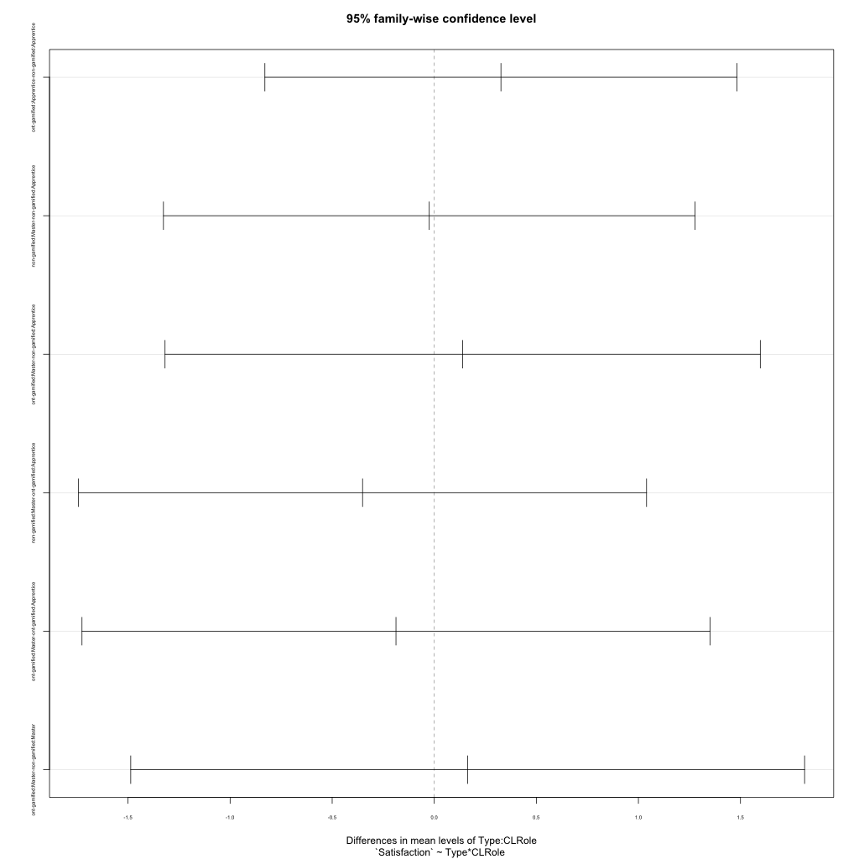
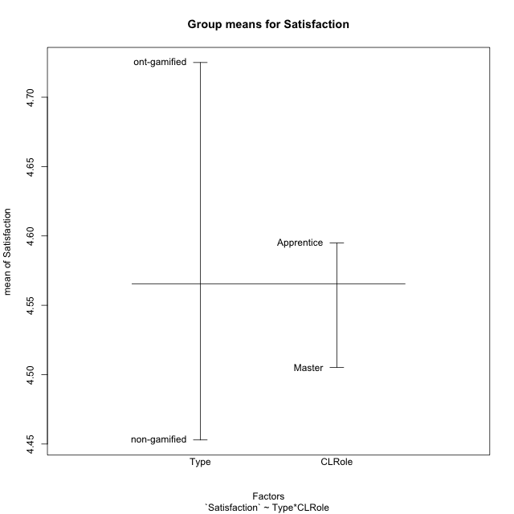
Post-hoc Tukey Honestly Significant Difference (HSD) Test for Satisfaction

Comparisons of means for Type
 | diff | lwr | upr | p adj
ont-gamified-non-gamified | 0.27205882353 | -0.44409564423 | 0.98821329129 | 0.44959418604

Comparisons of means for CLRole
 | diff | lwr | upr | p adj
Master-Apprentice | -0.092545844249 | -0.84406954425 | 0.65897785575 | 0.80593002077

Comparisons of means for Type:CLRole
 | diff | lwr | upr | p adj
ont-gamified:Apprentice-non-gamified:Apprentice | 0.32663043478 | -0.82960764998 | 1.4828685195 | 0.87675397878
non-gamified:Master-non-gamified:Apprentice | -0.024505928854 | -1.326527184 | 1.2775153263 | 0.99995481826
ont-gamified:Master-non-gamified:Apprentice | 0.13913043478 | -1.318712752 | 1.5969736216 | 0.99425091526
non-gamified:Master-ont-gamified:Apprentice | -0.35113636364 | -1.7422558185 | 1.0399830912 | 0.90826469688
ont-gamified:Master-ont-gamified:Apprentice | -0.1875 | -1.7254404235 | 1.3504404235 | 0.98820340689
ont-gamified:Master-non-gamified:Master | 0.16363636364 | -1.4867071116 | 1.8139798389 | 0.99356552238

Contrast Matrices for Satisfaction - Type
contrast | estimate | SE | df | t.ratio | p.value
non-gamified - ont-gamified | -0.24513339921 | 0.38007693848 | 54 | -0.64495730835 | 0.52168564385

Contrast Matrices for Satisfaction - Type:CLRole
contrast | CLRole | estimate | SE | df | t.ratio | p.value
non-gamified - ont-gamified | Apprentice | -0.32663043478 | 0.43617217116 | 54 | -0.74885665886 | 0.45719323533
non-gamified - ont-gamified | Master | -0.16363636364 | 0.62256546144 | 54 | -0.26284202027 | 0.79367259941

Least Squares Means and Confidence Intervals for Type
Type | lsmean | SE | df | lower.CL | upper.CL | Pairs
non-gamified | 4.4486166008 | 0.2455832606 | 54 | 3.9562518081 | 4.9409813935 | non-gamified
ont-gamified | 4.69375 | 0.29008161141 | 54 | 4.1121713854 | 5.2753286146 | ont-gamified

Least Squares Means and Confidence Intervals for Type:CLRole
Type | CLRole | lsmean | SE | df | lower.CL | upper.CL | Pairs
non-gamified | Apprentice | 4.4608695652 | 0.27937377804 | 54 | 3.900758864 | 5.0209802665 | non-gamified.Apprentice
ont-gamified | Apprentice | 4.7875 | 0.33495739287 | 54 | 4.1159508606 | 5.4590491394 | ont-gamified.Apprentice
non-gamified | Master | 4.4363636364 | 0.4039738156 | 54 | 3.6264449005 | 5.2462823722 | non-gamified.Master
ont-gamified | Master | 4.6 | 0.47370128782 | 54 | 3.6502860993 | 5.5497139007 | ont-gamified.Master

Plots

Type_1
Student's t-Test for Satisfaction in Type between non-gamified:ont-gamified

Student's t-Test results
Alternative hypothesis: less
Group | N | Mean | Mean.Difference | Std.deviation | Std.error | CI.lower | CI.upper | df | t.value | p.value | g | magnitude
non-gamified | 34 | 4.4529411765 | -0.27205882353 | 1.403293808 | 0.24066290261 | 3.9716153712 | 4.9342669817 | 54.161418378 | -0.79826824921 | 0.21410061817 | -0.20379738642 | small
ont-gamified | 24 | 4.725 | 0.27205882353 | 1.1822050142 | 0.24131658802 | 4.242366824 | 5.207633176 | 54.161418378 | -0.79826824921 | 0.21410061817 | -0.20379738642 | small
Alternative hypothesis: greater
Group | N | Mean | Mean.Difference | Std.deviation | Std.error | CI.lower | CI.upper | df | t.value | p.value | g | magnitude
non-gamified | 34 | 4.4529411765 | -0.27205882353 | 1.403293808 | 0.24066290261 | 3.9716153712 | 4.9342669817 | 54.161418378 | -0.79826824921 | 0.78589938183 | -0.20379738642 | small
ont-gamified | 24 | 4.725 | 0.27205882353 | 1.1822050142 | 0.24131658802 | 4.242366824 | 5.207633176 | 54.161418378 | -0.79826824921 | 0.78589938183 | -0.20379738642 | small
Alternative hypothesis: two.sided
Group | N | Mean | Mean.Difference | Std.deviation | Std.error | CI.lower | CI.upper | df | t.value | p.value | g | magnitude
non-gamified | 34 | 4.4529411765 | -0.27205882353 | 1.403293808 | 0.24066290261 | 3.9716153712 | 4.9342669817 | 54.161418378 | -0.79826824921 | 0.42820123633 | -0.20379738642 | small
ont-gamified | 24 | 4.725 | 0.27205882353 | 1.1822050142 | 0.24131658802 | 4.242366824 | 5.207633176 | 54.161418378 | -0.79826824921 | 0.42820123633 | -0.20379738642 | small

Box plots for Student's t-Test
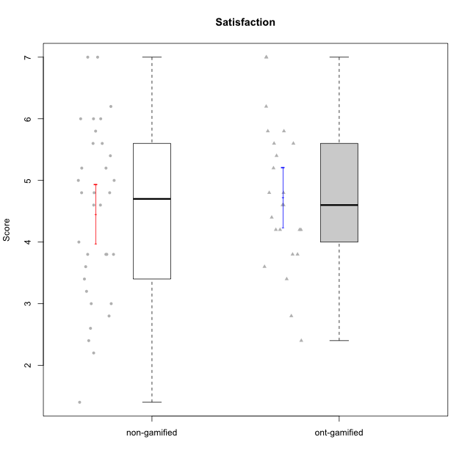

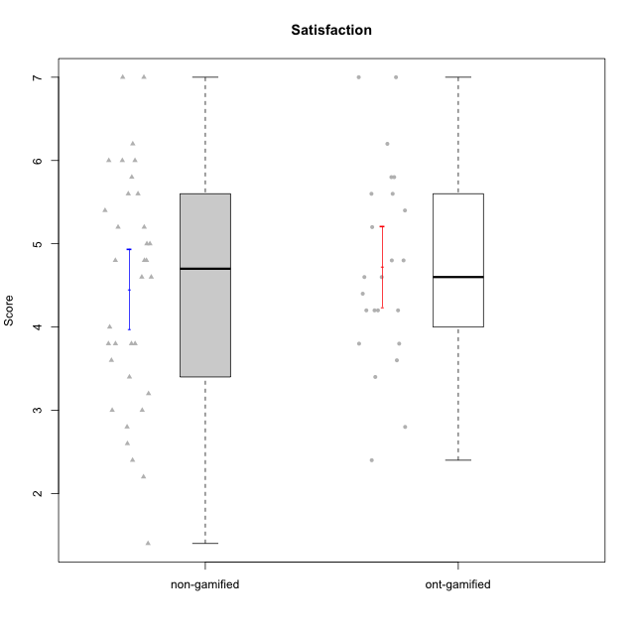

Student's t-Test data
UserID | NroUSP | Type | CLGroup | CLRole | PlayerRole | Item01A | Item04A | Item05A | Item12A | Item19A | Item20A | Item09S | Item11S | Item14S | Item24S | Item25S | Attention | Satisfaction | Level of Motivation
10169 | 10377538 | non-gamified | Grupo Team 10 | Apprentice |  | 2 | 2 | 2 | 2 | 2 | 2 | 1 | 2 | 2 | 3 | 7 | 2 | 3 | 2.4545454545
10170 | 10260351 | non-gamified | Grupo Team 6 | Apprentice |  | 4 | 5 | 4 | 5 | 5 | 3 | 4 | 5 | 4 | 6 | 6 | 4.3333333333 | 5 | 4.6363636364
10171 | 698531 | ont-gamified | Grupo Losvakai | Master | Yee Achiever | 5 | 5 | 6 | 5 | 5 | 4 | 4 | 5 | 6 | 6 | 7 | 5 | 5.6 | 5.2727272727
10172 | 10273971 | ont-gamified | Grupo Koil | Master | Yee Achiever | 6 | 6 | 6 | 4 | 5 | 5 | 4 | 5 | 4 | 5 | 5 | 5.3333333333 | 4.6 | 5
10174 | 10276852 | non-gamified | Grupo Team 1 | Apprentice |  | 4 | 4 | 4 | 3 | 1 | 3 | 2 | 4 | 2 | 4 | 4 | 3.1666666667 | 3.2 | 3.1818181818
10175 | 10310700 | non-gamified | Grupo Team 6 | Master |  | 7 | 5 | 6 | 7 | 6 | 4 | 6 | 6 | 5 | 6 | 7 | 5.8333333333 | 6 | 5.9090909091
10176 | 10276949 | non-gamified | Grupo Team 9 | Apprentice |  | 3 | 3 | 3 | 3 | 3 | 3 | 3 | 6 | 3 | 3 | 3 | 3 | 3.6 | 3.2727272727
10178 | 8656201 | non-gamified | Grupo Team 11 | Apprentice |  | 4 | 5 | 5 | 5 | 5 | 5 | 4 | 5 | 4 | 5 | 5 | 4.8333333333 | 4.6 | 4.7272727273
10179 | 10310759 | ont-gamified | Grupo Tosskor | Apprentice | Yee Achiever | 4 | 4 | 4 | 4 | 4 | 4 | 2 | 4 | 3 | 6 | 6 | 4 | 4.2 | 4.0909090909
10181 | 10276866 | non-gamified | Grupo Team 7 | Apprentice |  | 5 | 5 | 4 | 5 | 1 | 4 | 3 | 5 | 5 | 3 | 3 | 4 | 3.8 | 3.9090909091
10183 | 10352030 | non-gamified | Grupo Belos | Apprentice | Yee Socializer | 4 | 2 | 3 | 3 | 5 | 2 | 3 | 3 | 4 | 5 | 4 | 3.1666666667 | 3.8 | 3.4545454545
10184 | 10276675 | non-gamified | Grupo Team 7 | Master |  | 5 | 6 | 6 | 6 | 4 | 6 | 6 | 6 | 6 | 7 | 6 | 5.5 | 6.2 | 5.8181818182
10185 | 10276960 | ont-gamified | Grupo Tosskor | Master | Yee Achiever | 4 | 5 | 5 | 4 | 5 | 3 | 3 | 4 | 4 | 4 | 4 | 4.3333333333 | 3.8 | 4.0909090909
10186 | 10310551 | non-gamified | Grupo Team 5 | Apprentice |  | 1 | 4 | 6 | 3 | 1 | 4 | 4 | 3 | 5 | 7 | 7 | 3.1666666667 | 5.2 | 4.0909090909
10187 | 9790781 | ont-gamified | Grupo Razorg | Apprentice | Yee Achiever | 6 | 4 | 4 | 4 | 4 | 5 | 5 | 4 | 5 | 5 | 5 | 4.5 | 4.8 | 4.6363636364
10188 | 10276995 | ont-gamified | Grupo Paldira | Master | Yee Achiever | 4 | 5 | 4 | 5 | 3 | 4 | 4 | 4 | 4 | 5 | 4 | 4.1666666667 | 4.2 | 4.1818181818
10189 | 9363926 | non-gamified | Grupo Team 2 | Apprentice |  | 1 | 1 | 2 | 1 | 1 | 2 | 1 | 1 | 1 | 1 | 3 | 1.3333333333 | 1.4 | 1.3636363636
10190 | 10276907 | non-gamified | Grupo Team 8 | Apprentice |  | 3 | 4 | 2 | 1 | 1 | 1 | 4 | 6 | 7 | 7 | 5 | 2 | 5.8 | 3.7272727273
10191 | 10276981 | ont-gamified | Grupo Yeka | Apprentice | Yee Socializer | 6 | 6 | 7 | 6 | 7 | 6 | 4 | 5 | 6 | 7 | 7 | 6.3333333333 | 5.8 | 6.0909090909
10192 | 10276682 | ont-gamified | Grupo Yeka | Apprentice | Yee Socializer | 7 | 7 | 7 | 7 | 7 | 7 | 7 | 7 | 7 | 7 | 7 | 7 | 7 | 7
10193 | 10276762 | non-gamified | Grupo Team 2 | Master |  | 3 | 3 | 6 | 4 | 4 | 3 | 3 | 1 | 4 | 4 | 3 | 3.8333333333 | 3 | 3.4545454545
10196 | 10310655 | non-gamified | Grupo Team 5 | Apprentice |  | 4 | 1 | 3 | 4 | 4 | 4 | 4 | 4 | 5 | 2 | 4 | 3.3333333333 | 3.8 | 3.5454545455
10197 | 10276661 | non-gamified | Grupo Team 11 | Master |  | 7 | 5 | 4 | 4 | 2 | 4 | 4 | 3 | 3 | 4 | 6 | 4.3333333333 | 4 | 4.1818181818
10198 | 10310888 | non-gamified | Grupo Team 1 | Apprentice |  | 7 | 7 | 4 | 7 | 7 | 7 | 7 | 7 | 7 | 7 | 7 | 6.5 | 7 | 6.7272727273
10200 | 9795272 | non-gamified | Grupo Team 4 | Apprentice |  | 5 | 5 | 3 | 4 | 4 | 4 | 4 | 4 | 5 | 6 | 5 | 4.1666666667 | 4.8 | 4.4545454545
10201 | 10276928 | non-gamified | Grupo Team 10 | Master |  | 4 | 4 | 5 | 5 | 5 | 5 | 3 | 6 | 6 | 6 | 6 | 4.6666666667 | 5.4 | 5
10202 | 10277036 | ont-gamified | Grupo Paldira | Apprentice | Yee Achiever | 5 | 4 | 4 | 4 | 3 | 4 | 4 | 5 | 4 | 5 | 5 | 4 | 4.6 | 4.2727272727
10203 | 9921470 | ont-gamified | Grupo Paldira | Apprentice | Yee Achiever | 7 | 7 | 7 | 7 | 7 | 7 | 7 | 7 | 7 | 7 | 7 | 7 | 7 | 7
10204 | 10310471 | non-gamified | Grupo Team 5 | Master |  | 7 | 6 | 7 | 7 | 7 | 7 | 4 | 7 | 7 | 7 | 5 | 6.8333333333 | 6 | 6.4545454545
10206 | 10310721 | non-gamified | Grupo Team 9 | Master |  | 4 | 5 | 3 | 3 | 4 | 3 | 4 | 4 | 5 | 6 | 5 | 3.6666666667 | 4.8 | 4.1818181818
10208 | 10276932 | ont-gamified | Grupo Yeka | Master | Yee Socializer | 4 | 3 | 5 | 3 | 5 | 4 | 4 | 5 | 4 | 5 | 4 | 4 | 4.4 | 4.1818181818
10209 | 10262669 | non-gamified | Grupo Team 1 | Master |  | 1 | 1 | 7 | 1 | 1 | 1 | 4 | 1 | 1 | 1 | 4 | 2 | 2.2 | 2.0909090909
10210 | 10277015 | ont-gamified | Grupo Losvakai | Apprentice | Yee Achiever | 4 | 4 | 6 | 4 | 2 | 3 | 2 | 4 | 6 | 3 | 3 | 3.8333333333 | 3.6 | 3.7272727273
10211 | 9311643 | ont-gamified | Grupo Razorg | Master | Yee Achiever | 1 | 1 | 1 | 2 | 1 | 1 | 2 | 3 | 2 | 4 | 1 | 1.1666666667 | 2.4 | 1.7272727273
10212 | 9065750 | ont-gamified | Grupo Ellaru | Apprentice | Yee Socializer | 2 | 4 | 2 | 3 | 4 | 3 | 3 | 5 | 2 | 4 | 5 | 3 | 3.8 | 3.3636363636
10213 | 10277040 | non-gamified | Grupo Team 8 | Master |  | 4 | 3 | 7 | 5 | 6 | 5 | 2 | 4 | 6 | 6 | 7 | 5 | 5 | 5
10214 | 10277022 | ont-gamified | Grupo Koil | Apprentice | Yee Achiever | 4 | 5 | 5 | 4 | 5 | 4 | 3 | 4 | 4 | 5 | 5 | 4.5 | 4.2 | 4.3636363636
10215 | 9285227 | non-gamified | Grupo Team 7 | Apprentice |  | 6 | 4 | 3 | 3 | 4 | 4 | 7 | 4 | 5 | 6 | 6 | 4 | 5.6 | 4.7272727273
10216 | 10276720 | ont-gamified | Grupo Ellaru | Master | Yee Socializer | 2 | 5 | 7 | 3 | 7 | 2 | 4 | 7 | 6 | 7 | 7 | 4.3333333333 | 6.2 | 5.1818181818
10217 | 9805341 | ont-gamified | Grupo Belos | Master | Yee Socializer | 5 | 6 | 6 | 4 | 4 | 5 | 4 | 6 | 6 | 6 | 6 | 5 | 5.6 | 5.2727272727
10218 | 9842913 | non-gamified | Grupo Team 10 | Apprentice |  | 4 | 2 | 4 | 4 | 2 | 2 | 4 | 5 | 5 | 7 | 7 | 3 | 5.6 | 4.1818181818
10219 | 10276831 | ont-gamified | Grupo Razorg | Apprentice | Yee Achiever | 1 | 1 | 4 | 5 | 4 | 3 | 4 | 3 | 2 | 2 | 3 | 3 | 2.8 | 2.9090909091
10220 | 9760151 | non-gamified | Grupo Team 4 | Apprentice |  | 1 | 1 | 1 | 1 | 1 | 4 | 7 | 7 | 7 | 7 | 7 | 1.5 | 7 | 4
10221 | 9082496 | non-gamified | Grupo Team 3 | Apprentice |  | 4 | 2 | 3 | 3 | 4 | 4 | 4 | 6 | 3 | 4 | 6 | 3.3333333333 | 4.6 | 3.9090909091
10223 | 9795185 | non-gamified | Grupo Team 3 | Master |  | 1 | 1 | 2 | 2 | 3 | 3 | 2 | 4 | 2 | 2 | 2 | 2 | 2.4 | 2.1818181818
10224 | 9368772 | non-gamified | Grupo Team 9 | Apprentice |  | 4 | 7 | 5 | 5 | 5 | 5 | 4 | 4 | 6 | 6 | 6 | 5.1666666667 | 5.2 | 5.1818181818
10226 | 10310342 | ont-gamified | Grupo Yeka | Apprentice | Yee Socializer | 6 | 4 | 3 | 6 | 5 | 5 | 4 | 6 | 5 | 6 | 6 | 4.8333333333 | 5.4 | 5.0909090909
10227 | 9274382 | non-gamified | Grupo Team 2 | Apprentice |  | 7 | 5 | 4 | 6 | 5 | 6 | 6 | 6 | 6 | 6 | 6 | 5.5 | 6 | 5.7272727273
10228 | 10310492 | ont-gamified | Grupo Losvakai | Apprentice | Yee Achiever | 4 | 4 | 4 | 5 | 4 | 4 | 4 | 4 | 4 | 5 | 4 | 4.1666666667 | 4.2 | 4.1818181818
10230 | 10351992 | ont-gamified | Grupo Koil | Apprentice | Yee Achiever | 6 | 7 | 7 | 5 | 7 | 6 | 5 | 5 | 5 | 7 | 7 | 6.3333333333 | 5.8 | 6.0909090909
10231 | 10276911 | non-gamified | Grupo Team 4 | Master |  | 3 | 4 | 4 | 2 | 2 | 2 | 1 | 3 | 4 | 6 | 5 | 2.8333333333 | 3.8 | 3.2727272727
10232 | 10276974 | non-gamified | Grupo Team 3 | Apprentice |  | 5 | 5 | 5 | 5 | 5 | 5 | 5 | 6 | 5 | 7 | 1 | 5 | 4.8 | 4.9090909091
10233 | 9805320 | ont-gamified | Grupo Tosskor | Apprentice | Yee Achiever | 2 | 3 | 5 | 4 | 6 | 7 | 1 | 4 | 2 | 6 | 4 | 4.5 | 3.4 | 4
10234 | 10310676 | non-gamified | Grupo Team 6 | Apprentice |  | 4 | 4 | 5 | 4 | 6 | 6 | 2 | 4 | 3 | 4 | 4 | 4.8333333333 | 3.4 | 4.1818181818
10237 | 10377688 | ont-gamified | Grupo Ellaru | Apprentice | Yee Socializer | 4 | 3 | 6 | 4 | 4 | 3 | 4 | 5 | 5 | 5 | 5 | 4 | 4.8 | 4.3636363636
10238 | 10276953 | ont-gamified | Grupo Belos | Apprentice | Yee Socializer | 4 | 4 | 4 | 5 | 5 | 4 | 5 | 5 | 5 | 5 | 6 | 4.3333333333 | 5.2 | 4.7272727273
10240 | 10276654 | non-gamified | Grupo Team 8 | Apprentice |  | 2 | 2 | 2 | 2 | 2 | 2 | 2 | 4 | 2 | 3 | 2 | 2 | 2.6 | 2.2727272727
10242 | 9424506 | non-gamified | Grupo Team 11 | Apprentice |  | 1 | 1 | 1 | 1 | 1 | 1 | 1 | 1 | 1 | 7 | 4 | 1 | 2.8 | 1.8181818182

Type_CLRole_1
Student's t-Test for Satisfaction in Type:CLRole between non-gamified.Apprentice:non-gamified.Master

Student's t-Test results
Alternative hypothesis: less
Group | N | Mean | Mean.Difference | Std.deviation | Std.error | CI.lower | CI.upper | df | t.value | p.value | g | magnitude
non-gamified.Apprentice | 23 | 4.4608695652 | 0.024505928854 | 1.4109117395 | 0.29419543466 | 3.8724786959 | 5.0492604345 | 19.241127015 | 0.046382640374 | 0.51825834856 | 0.016790880689 | negligible
non-gamified.Master | 11 | 4.4363636364 | -0.024505928854 | 1.4555223992 | 0.43885651564 | 3.5586506051 | 5.3140766676 | 19.241127015 | 0.046382640374 | 0.51825834856 | 0.016790880689 | negligible
Alternative hypothesis: greater
Group | N | Mean | Mean.Difference | Std.deviation | Std.error | CI.lower | CI.upper | df | t.value | p.value | g | magnitude
non-gamified.Apprentice | 23 | 4.4608695652 | 0.024505928854 | 1.4109117395 | 0.29419543466 | 3.8724786959 | 5.0492604345 | 19.241127015 | 0.046382640374 | 0.48174165144 | 0.016790880689 | negligible
non-gamified.Master | 11 | 4.4363636364 | -0.024505928854 | 1.4555223992 | 0.43885651564 | 3.5586506051 | 5.3140766676 | 19.241127015 | 0.046382640374 | 0.48174165144 | 0.016790880689 | negligible
Alternative hypothesis: two.sided
Group | N | Mean | Mean.Difference | Std.deviation | Std.error | CI.lower | CI.upper | df | t.value | p.value | g | magnitude
non-gamified.Apprentice | 23 | 4.4608695652 | 0.024505928854 | 1.4109117395 | 0.29419543466 | 3.8724786959 | 5.0492604345 | 19.241127015 | 0.046382640374 | 0.96348330287 | 0.016790880689 | negligible
non-gamified.Master | 11 | 4.4363636364 | -0.024505928854 | 1.4555223992 | 0.43885651564 | 3.5586506051 | 5.3140766676 | 19.241127015 | 0.046382640374 | 0.96348330287 | 0.016790880689 | negligible

Box plots for Student's t-Test
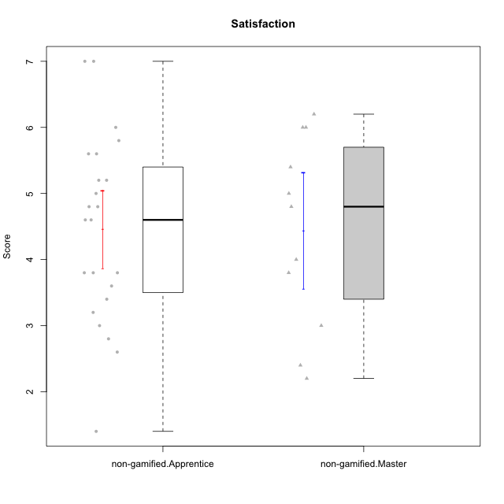

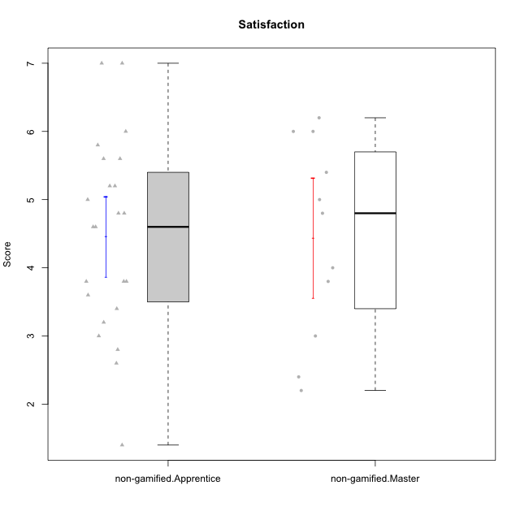

Student's t-Test data
UserID | NroUSP | Type | CLGroup | CLRole | PlayerRole | Item01A | Item04A | Item05A | Item12A | Item19A | Item20A | Item09S | Item11S | Item14S | Item24S | Item25S | Attention | Satisfaction | Level of Motivation
10169 | 10377538 | non-gamified | Grupo Team 10 | Apprentice |  | 2 | 2 | 2 | 2 | 2 | 2 | 1 | 2 | 2 | 3 | 7 | 2 | 3 | 2.4545454545
10170 | 10260351 | non-gamified | Grupo Team 6 | Apprentice |  | 4 | 5 | 4 | 5 | 5 | 3 | 4 | 5 | 4 | 6 | 6 | 4.3333333333 | 5 | 4.6363636364
10174 | 10276852 | non-gamified | Grupo Team 1 | Apprentice |  | 4 | 4 | 4 | 3 | 1 | 3 | 2 | 4 | 2 | 4 | 4 | 3.1666666667 | 3.2 | 3.1818181818
10175 | 10310700 | non-gamified | Grupo Team 6 | Master |  | 7 | 5 | 6 | 7 | 6 | 4 | 6 | 6 | 5 | 6 | 7 | 5.8333333333 | 6 | 5.9090909091
10176 | 10276949 | non-gamified | Grupo Team 9 | Apprentice |  | 3 | 3 | 3 | 3 | 3 | 3 | 3 | 6 | 3 | 3 | 3 | 3 | 3.6 | 3.2727272727
10178 | 8656201 | non-gamified | Grupo Team 11 | Apprentice |  | 4 | 5 | 5 | 5 | 5 | 5 | 4 | 5 | 4 | 5 | 5 | 4.8333333333 | 4.6 | 4.7272727273
10181 | 10276866 | non-gamified | Grupo Team 7 | Apprentice |  | 5 | 5 | 4 | 5 | 1 | 4 | 3 | 5 | 5 | 3 | 3 | 4 | 3.8 | 3.9090909091
10183 | 10352030 | non-gamified | Grupo Belos | Apprentice | Yee Socializer | 4 | 2 | 3 | 3 | 5 | 2 | 3 | 3 | 4 | 5 | 4 | 3.1666666667 | 3.8 | 3.4545454545
10184 | 10276675 | non-gamified | Grupo Team 7 | Master |  | 5 | 6 | 6 | 6 | 4 | 6 | 6 | 6 | 6 | 7 | 6 | 5.5 | 6.2 | 5.8181818182
10186 | 10310551 | non-gamified | Grupo Team 5 | Apprentice |  | 1 | 4 | 6 | 3 | 1 | 4 | 4 | 3 | 5 | 7 | 7 | 3.1666666667 | 5.2 | 4.0909090909
10189 | 9363926 | non-gamified | Grupo Team 2 | Apprentice |  | 1 | 1 | 2 | 1 | 1 | 2 | 1 | 1 | 1 | 1 | 3 | 1.3333333333 | 1.4 | 1.3636363636
10190 | 10276907 | non-gamified | Grupo Team 8 | Apprentice |  | 3 | 4 | 2 | 1 | 1 | 1 | 4 | 6 | 7 | 7 | 5 | 2 | 5.8 | 3.7272727273
10193 | 10276762 | non-gamified | Grupo Team 2 | Master |  | 3 | 3 | 6 | 4 | 4 | 3 | 3 | 1 | 4 | 4 | 3 | 3.8333333333 | 3 | 3.4545454545
10196 | 10310655 | non-gamified | Grupo Team 5 | Apprentice |  | 4 | 1 | 3 | 4 | 4 | 4 | 4 | 4 | 5 | 2 | 4 | 3.3333333333 | 3.8 | 3.5454545455
10197 | 10276661 | non-gamified | Grupo Team 11 | Master |  | 7 | 5 | 4 | 4 | 2 | 4 | 4 | 3 | 3 | 4 | 6 | 4.3333333333 | 4 | 4.1818181818
10198 | 10310888 | non-gamified | Grupo Team 1 | Apprentice |  | 7 | 7 | 4 | 7 | 7 | 7 | 7 | 7 | 7 | 7 | 7 | 6.5 | 7 | 6.7272727273
10200 | 9795272 | non-gamified | Grupo Team 4 | Apprentice |  | 5 | 5 | 3 | 4 | 4 | 4 | 4 | 4 | 5 | 6 | 5 | 4.1666666667 | 4.8 | 4.4545454545
10201 | 10276928 | non-gamified | Grupo Team 10 | Master |  | 4 | 4 | 5 | 5 | 5 | 5 | 3 | 6 | 6 | 6 | 6 | 4.6666666667 | 5.4 | 5
10204 | 10310471 | non-gamified | Grupo Team 5 | Master |  | 7 | 6 | 7 | 7 | 7 | 7 | 4 | 7 | 7 | 7 | 5 | 6.8333333333 | 6 | 6.4545454545
10206 | 10310721 | non-gamified | Grupo Team 9 | Master |  | 4 | 5 | 3 | 3 | 4 | 3 | 4 | 4 | 5 | 6 | 5 | 3.6666666667 | 4.8 | 4.1818181818
10209 | 10262669 | non-gamified | Grupo Team 1 | Master |  | 1 | 1 | 7 | 1 | 1 | 1 | 4 | 1 | 1 | 1 | 4 | 2 | 2.2 | 2.0909090909
10213 | 10277040 | non-gamified | Grupo Team 8 | Master |  | 4 | 3 | 7 | 5 | 6 | 5 | 2 | 4 | 6 | 6 | 7 | 5 | 5 | 5
10215 | 9285227 | non-gamified | Grupo Team 7 | Apprentice |  | 6 | 4 | 3 | 3 | 4 | 4 | 7 | 4 | 5 | 6 | 6 | 4 | 5.6 | 4.7272727273
10218 | 9842913 | non-gamified | Grupo Team 10 | Apprentice |  | 4 | 2 | 4 | 4 | 2 | 2 | 4 | 5 | 5 | 7 | 7 | 3 | 5.6 | 4.1818181818
10220 | 9760151 | non-gamified | Grupo Team 4 | Apprentice |  | 1 | 1 | 1 | 1 | 1 | 4 | 7 | 7 | 7 | 7 | 7 | 1.5 | 7 | 4
10221 | 9082496 | non-gamified | Grupo Team 3 | Apprentice |  | 4 | 2 | 3 | 3 | 4 | 4 | 4 | 6 | 3 | 4 | 6 | 3.3333333333 | 4.6 | 3.9090909091
10223 | 9795185 | non-gamified | Grupo Team 3 | Master |  | 1 | 1 | 2 | 2 | 3 | 3 | 2 | 4 | 2 | 2 | 2 | 2 | 2.4 | 2.1818181818
10224 | 9368772 | non-gamified | Grupo Team 9 | Apprentice |  | 4 | 7 | 5 | 5 | 5 | 5 | 4 | 4 | 6 | 6 | 6 | 5.1666666667 | 5.2 | 5.1818181818
10227 | 9274382 | non-gamified | Grupo Team 2 | Apprentice |  | 7 | 5 | 4 | 6 | 5 | 6 | 6 | 6 | 6 | 6 | 6 | 5.5 | 6 | 5.7272727273
10231 | 10276911 | non-gamified | Grupo Team 4 | Master |  | 3 | 4 | 4 | 2 | 2 | 2 | 1 | 3 | 4 | 6 | 5 | 2.8333333333 | 3.8 | 3.2727272727
10232 | 10276974 | non-gamified | Grupo Team 3 | Apprentice |  | 5 | 5 | 5 | 5 | 5 | 5 | 5 | 6 | 5 | 7 | 1 | 5 | 4.8 | 4.9090909091
10234 | 10310676 | non-gamified | Grupo Team 6 | Apprentice |  | 4 | 4 | 5 | 4 | 6 | 6 | 2 | 4 | 3 | 4 | 4 | 4.8333333333 | 3.4 | 4.1818181818
10240 | 10276654 | non-gamified | Grupo Team 8 | Apprentice |  | 2 | 2 | 2 | 2 | 2 | 2 | 2 | 4 | 2 | 3 | 2 | 2 | 2.6 | 2.2727272727
10242 | 9424506 | non-gamified | Grupo Team 11 | Apprentice |  | 1 | 1 | 1 | 1 | 1 | 1 | 1 | 1 | 1 | 7 | 4 | 1 | 2.8 | 1.8181818182

Type_CLRole_2
Student's t-Test for Satisfaction in Type:CLRole between non-gamified.Apprentice:ont-gamified.Apprentice

Student's t-Test results
Alternative hypothesis: less
Group | N | Mean | Mean.Difference | Std.deviation | Std.error | CI.lower | CI.upper | df | t.value | p.value | g | magnitude
non-gamified.Apprentice | 23 | 4.4608695652 | -0.32663043478 | 1.4109117395 | 0.29419543466 | 3.8724786959 | 5.0492604345 | 35.360516808 | -0.77628338287 | 0.22137171196 | -0.24045914723 | small
ont-gamified.Apprentice | 16 | 4.7875 | 0.32663043478 | 1.2032594622 | 0.30081486555 | 4.1858702689 | 5.3891297311 | 35.360516808 | -0.77628338287 | 0.22137171196 | -0.24045914723 | small
Alternative hypothesis: greater
Group | N | Mean | Mean.Difference | Std.deviation | Std.error | CI.lower | CI.upper | df | t.value | p.value | g | magnitude
non-gamified.Apprentice | 23 | 4.4608695652 | -0.32663043478 | 1.4109117395 | 0.29419543466 | 3.8724786959 | 5.0492604345 | 35.360516808 | -0.77628338287 | 0.77862828804 | -0.24045914723 | small
ont-gamified.Apprentice | 16 | 4.7875 | 0.32663043478 | 1.2032594622 | 0.30081486555 | 4.1858702689 | 5.3891297311 | 35.360516808 | -0.77628338287 | 0.77862828804 | -0.24045914723 | small
Alternative hypothesis: two.sided
Group | N | Mean | Mean.Difference | Std.deviation | Std.error | CI.lower | CI.upper | df | t.value | p.value | g | magnitude
non-gamified.Apprentice | 23 | 4.4608695652 | -0.32663043478 | 1.4109117395 | 0.29419543466 | 3.8724786959 | 5.0492604345 | 35.360516808 | -0.77628338287 | 0.44274342391 | -0.24045914723 | small
ont-gamified.Apprentice | 16 | 4.7875 | 0.32663043478 | 1.2032594622 | 0.30081486555 | 4.1858702689 | 5.3891297311 | 35.360516808 | -0.77628338287 | 0.44274342391 | -0.24045914723 | small

Box plots for Student's t-Test
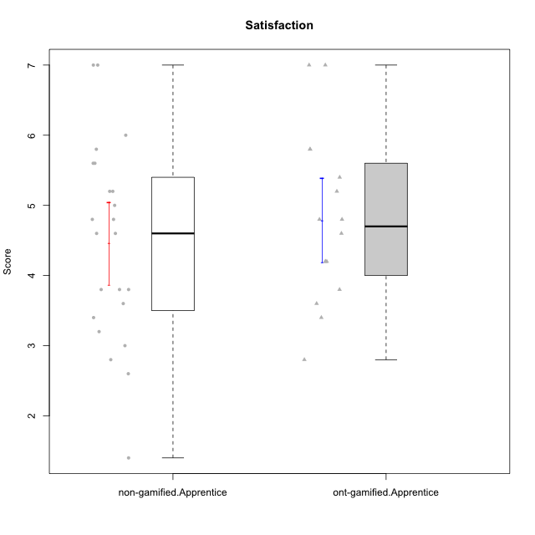



Student's t-Test data
UserID | NroUSP | Type | CLGroup | CLRole | PlayerRole | Item01A | Item04A | Item05A | Item12A | Item19A | Item20A | Item09S | Item11S | Item14S | Item24S | Item25S | Attention | Satisfaction | Level of Motivation
10169 | 10377538 | non-gamified | Grupo Team 10 | Apprentice |  | 2 | 2 | 2 | 2 | 2 | 2 | 1 | 2 | 2 | 3 | 7 | 2 | 3 | 2.4545454545
10170 | 10260351 | non-gamified | Grupo Team 6 | Apprentice |  | 4 | 5 | 4 | 5 | 5 | 3 | 4 | 5 | 4 | 6 | 6 | 4.3333333333 | 5 | 4.6363636364
10174 | 10276852 | non-gamified | Grupo Team 1 | Apprentice |  | 4 | 4 | 4 | 3 | 1 | 3 | 2 | 4 | 2 | 4 | 4 | 3.1666666667 | 3.2 | 3.1818181818
10176 | 10276949 | non-gamified | Grupo Team 9 | Apprentice |  | 3 | 3 | 3 | 3 | 3 | 3 | 3 | 6 | 3 | 3 | 3 | 3 | 3.6 | 3.2727272727
10178 | 8656201 | non-gamified | Grupo Team 11 | Apprentice |  | 4 | 5 | 5 | 5 | 5 | 5 | 4 | 5 | 4 | 5 | 5 | 4.8333333333 | 4.6 | 4.7272727273
10179 | 10310759 | ont-gamified | Grupo Tosskor | Apprentice | Yee Achiever | 4 | 4 | 4 | 4 | 4 | 4 | 2 | 4 | 3 | 6 | 6 | 4 | 4.2 | 4.0909090909
10181 | 10276866 | non-gamified | Grupo Team 7 | Apprentice |  | 5 | 5 | 4 | 5 | 1 | 4 | 3 | 5 | 5 | 3 | 3 | 4 | 3.8 | 3.9090909091
10183 | 10352030 | non-gamified | Grupo Belos | Apprentice | Yee Socializer | 4 | 2 | 3 | 3 | 5 | 2 | 3 | 3 | 4 | 5 | 4 | 3.1666666667 | 3.8 | 3.4545454545
10186 | 10310551 | non-gamified | Grupo Team 5 | Apprentice |  | 1 | 4 | 6 | 3 | 1 | 4 | 4 | 3 | 5 | 7 | 7 | 3.1666666667 | 5.2 | 4.0909090909
10187 | 9790781 | ont-gamified | Grupo Razorg | Apprentice | Yee Achiever | 6 | 4 | 4 | 4 | 4 | 5 | 5 | 4 | 5 | 5 | 5 | 4.5 | 4.8 | 4.6363636364
10189 | 9363926 | non-gamified | Grupo Team 2 | Apprentice |  | 1 | 1 | 2 | 1 | 1 | 2 | 1 | 1 | 1 | 1 | 3 | 1.3333333333 | 1.4 | 1.3636363636
10190 | 10276907 | non-gamified | Grupo Team 8 | Apprentice |  | 3 | 4 | 2 | 1 | 1 | 1 | 4 | 6 | 7 | 7 | 5 | 2 | 5.8 | 3.7272727273
10191 | 10276981 | ont-gamified | Grupo Yeka | Apprentice | Yee Socializer | 6 | 6 | 7 | 6 | 7 | 6 | 4 | 5 | 6 | 7 | 7 | 6.3333333333 | 5.8 | 6.0909090909
10192 | 10276682 | ont-gamified | Grupo Yeka | Apprentice | Yee Socializer | 7 | 7 | 7 | 7 | 7 | 7 | 7 | 7 | 7 | 7 | 7 | 7 | 7 | 7
10196 | 10310655 | non-gamified | Grupo Team 5 | Apprentice |  | 4 | 1 | 3 | 4 | 4 | 4 | 4 | 4 | 5 | 2 | 4 | 3.3333333333 | 3.8 | 3.5454545455
10198 | 10310888 | non-gamified | Grupo Team 1 | Apprentice |  | 7 | 7 | 4 | 7 | 7 | 7 | 7 | 7 | 7 | 7 | 7 | 6.5 | 7 | 6.7272727273
10200 | 9795272 | non-gamified | Grupo Team 4 | Apprentice |  | 5 | 5 | 3 | 4 | 4 | 4 | 4 | 4 | 5 | 6 | 5 | 4.1666666667 | 4.8 | 4.4545454545
10202 | 10277036 | ont-gamified | Grupo Paldira | Apprentice | Yee Achiever | 5 | 4 | 4 | 4 | 3 | 4 | 4 | 5 | 4 | 5 | 5 | 4 | 4.6 | 4.2727272727
10203 | 9921470 | ont-gamified | Grupo Paldira | Apprentice | Yee Achiever | 7 | 7 | 7 | 7 | 7 | 7 | 7 | 7 | 7 | 7 | 7 | 7 | 7 | 7
10210 | 10277015 | ont-gamified | Grupo Losvakai | Apprentice | Yee Achiever | 4 | 4 | 6 | 4 | 2 | 3 | 2 | 4 | 6 | 3 | 3 | 3.8333333333 | 3.6 | 3.7272727273
10212 | 9065750 | ont-gamified | Grupo Ellaru | Apprentice | Yee Socializer | 2 | 4 | 2 | 3 | 4 | 3 | 3 | 5 | 2 | 4 | 5 | 3 | 3.8 | 3.3636363636
10214 | 10277022 | ont-gamified | Grupo Koil | Apprentice | Yee Achiever | 4 | 5 | 5 | 4 | 5 | 4 | 3 | 4 | 4 | 5 | 5 | 4.5 | 4.2 | 4.3636363636
10215 | 9285227 | non-gamified | Grupo Team 7 | Apprentice |  | 6 | 4 | 3 | 3 | 4 | 4 | 7 | 4 | 5 | 6 | 6 | 4 | 5.6 | 4.7272727273
10218 | 9842913 | non-gamified | Grupo Team 10 | Apprentice |  | 4 | 2 | 4 | 4 | 2 | 2 | 4 | 5 | 5 | 7 | 7 | 3 | 5.6 | 4.1818181818
10219 | 10276831 | ont-gamified | Grupo Razorg | Apprentice | Yee Achiever | 1 | 1 | 4 | 5 | 4 | 3 | 4 | 3 | 2 | 2 | 3 | 3 | 2.8 | 2.9090909091
10220 | 9760151 | non-gamified | Grupo Team 4 | Apprentice |  | 1 | 1 | 1 | 1 | 1 | 4 | 7 | 7 | 7 | 7 | 7 | 1.5 | 7 | 4
10221 | 9082496 | non-gamified | Grupo Team 3 | Apprentice |  | 4 | 2 | 3 | 3 | 4 | 4 | 4 | 6 | 3 | 4 | 6 | 3.3333333333 | 4.6 | 3.9090909091
10224 | 9368772 | non-gamified | Grupo Team 9 | Apprentice |  | 4 | 7 | 5 | 5 | 5 | 5 | 4 | 4 | 6 | 6 | 6 | 5.1666666667 | 5.2 | 5.1818181818
10226 | 10310342 | ont-gamified | Grupo Yeka | Apprentice | Yee Socializer | 6 | 4 | 3 | 6 | 5 | 5 | 4 | 6 | 5 | 6 | 6 | 4.8333333333 | 5.4 | 5.0909090909
10227 | 9274382 | non-gamified | Grupo Team 2 | Apprentice |  | 7 | 5 | 4 | 6 | 5 | 6 | 6 | 6 | 6 | 6 | 6 | 5.5 | 6 | 5.7272727273
10228 | 10310492 | ont-gamified | Grupo Losvakai | Apprentice | Yee Achiever | 4 | 4 | 4 | 5 | 4 | 4 | 4 | 4 | 4 | 5 | 4 | 4.1666666667 | 4.2 | 4.1818181818
10230 | 10351992 | ont-gamified | Grupo Koil | Apprentice | Yee Achiever | 6 | 7 | 7 | 5 | 7 | 6 | 5 | 5 | 5 | 7 | 7 | 6.3333333333 | 5.8 | 6.0909090909
10232 | 10276974 | non-gamified | Grupo Team 3 | Apprentice |  | 5 | 5 | 5 | 5 | 5 | 5 | 5 | 6 | 5 | 7 | 1 | 5 | 4.8 | 4.9090909091
10233 | 9805320 | ont-gamified | Grupo Tosskor | Apprentice | Yee Achiever | 2 | 3 | 5 | 4 | 6 | 7 | 1 | 4 | 2 | 6 | 4 | 4.5 | 3.4 | 4
10234 | 10310676 | non-gamified | Grupo Team 6 | Apprentice |  | 4 | 4 | 5 | 4 | 6 | 6 | 2 | 4 | 3 | 4 | 4 | 4.8333333333 | 3.4 | 4.1818181818
10237 | 10377688 | ont-gamified | Grupo Ellaru | Apprentice | Yee Socializer | 4 | 3 | 6 | 4 | 4 | 3 | 4 | 5 | 5 | 5 | 5 | 4 | 4.8 | 4.3636363636
10238 | 10276953 | ont-gamified | Grupo Belos | Apprentice | Yee Socializer | 4 | 4 | 4 | 5 | 5 | 4 | 5 | 5 | 5 | 5 | 6 | 4.3333333333 | 5.2 | 4.7272727273
10240 | 10276654 | non-gamified | Grupo Team 8 | Apprentice |  | 2 | 2 | 2 | 2 | 2 | 2 | 2 | 4 | 2 | 3 | 2 | 2 | 2.6 | 2.2727272727
10242 | 9424506 | non-gamified | Grupo Team 11 | Apprentice |  | 1 | 1 | 1 | 1 | 1 | 1 | 1 | 1 | 1 | 7 | 4 | 1 | 2.8 | 1.8181818182

Type_CLRole_3
Student's t-Test for Satisfaction in Type:CLRole between non-gamified.Apprentice:ont-gamified.Master

Student's t-Test results
Alternative hypothesis: less
Group | N | Mean | Mean.Difference | Std.deviation | Std.error | CI.lower | CI.upper | df | t.value | p.value | g | magnitude
non-gamified.Apprentice | 23 | 4.4608695652 | -0.13913043478 | 1.4109117395 | 0.29419543466 | 3.8724786959 | 5.0492604345 | 14.183736008 | -0.26805062272 | 0.3962596376 | -0.099266936514 | negligible
ont-gamified.Master | 8 | 4.6 | 0.13913043478 | 1.2094863136 | 0.42761798706 | 3.7447640259 | 5.4552359741 | 14.183736008 | -0.26805062272 | 0.3962596376 | -0.099266936514 | negligible
Alternative hypothesis: greater
Group | N | Mean | Mean.Difference | Std.deviation | Std.error | CI.lower | CI.upper | df | t.value | p.value | g | magnitude
non-gamified.Apprentice | 23 | 4.4608695652 | -0.13913043478 | 1.4109117395 | 0.29419543466 | 3.8724786959 | 5.0492604345 | 14.183736008 | -0.26805062272 | 0.6037403624 | -0.099266936514 | negligible
ont-gamified.Master | 8 | 4.6 | 0.13913043478 | 1.2094863136 | 0.42761798706 | 3.7447640259 | 5.4552359741 | 14.183736008 | -0.26805062272 | 0.6037403624 | -0.099266936514 | negligible
Alternative hypothesis: two.sided
Group | N | Mean | Mean.Difference | Std.deviation | Std.error | CI.lower | CI.upper | df | t.value | p.value | g | magnitude
non-gamified.Apprentice | 23 | 4.4608695652 | -0.13913043478 | 1.4109117395 | 0.29419543466 | 3.8724786959 | 5.0492604345 | 14.183736008 | -0.26805062272 | 0.7925192752 | -0.099266936514 | negligible
ont-gamified.Master | 8 | 4.6 | 0.13913043478 | 1.2094863136 | 0.42761798706 | 3.7447640259 | 5.4552359741 | 14.183736008 | -0.26805062272 | 0.7925192752 | -0.099266936514 | negligible

Box plots for Student's t-Test




Student's t-Test data
UserID | NroUSP | Type | CLGroup | CLRole | PlayerRole | Item01A | Item04A | Item05A | Item12A | Item19A | Item20A | Item09S | Item11S | Item14S | Item24S | Item25S | Attention | Satisfaction | Level of Motivation
10169 | 10377538 | non-gamified | Grupo Team 10 | Apprentice |  | 2 | 2 | 2 | 2 | 2 | 2 | 1 | 2 | 2 | 3 | 7 | 2 | 3 | 2.4545454545
10170 | 10260351 | non-gamified | Grupo Team 6 | Apprentice |  | 4 | 5 | 4 | 5 | 5 | 3 | 4 | 5 | 4 | 6 | 6 | 4.3333333333 | 5 | 4.6363636364
10171 | 698531 | ont-gamified | Grupo Losvakai | Master | Yee Achiever | 5 | 5 | 6 | 5 | 5 | 4 | 4 | 5 | 6 | 6 | 7 | 5 | 5.6 | 5.2727272727
10172 | 10273971 | ont-gamified | Grupo Koil | Master | Yee Achiever | 6 | 6 | 6 | 4 | 5 | 5 | 4 | 5 | 4 | 5 | 5 | 5.3333333333 | 4.6 | 5
10174 | 10276852 | non-gamified | Grupo Team 1 | Apprentice |  | 4 | 4 | 4 | 3 | 1 | 3 | 2 | 4 | 2 | 4 | 4 | 3.1666666667 | 3.2 | 3.1818181818
10176 | 10276949 | non-gamified | Grupo Team 9 | Apprentice |  | 3 | 3 | 3 | 3 | 3 | 3 | 3 | 6 | 3 | 3 | 3 | 3 | 3.6 | 3.2727272727
10178 | 8656201 | non-gamified | Grupo Team 11 | Apprentice |  | 4 | 5 | 5 | 5 | 5 | 5 | 4 | 5 | 4 | 5 | 5 | 4.8333333333 | 4.6 | 4.7272727273
10181 | 10276866 | non-gamified | Grupo Team 7 | Apprentice |  | 5 | 5 | 4 | 5 | 1 | 4 | 3 | 5 | 5 | 3 | 3 | 4 | 3.8 | 3.9090909091
10183 | 10352030 | non-gamified | Grupo Belos | Apprentice | Yee Socializer | 4 | 2 | 3 | 3 | 5 | 2 | 3 | 3 | 4 | 5 | 4 | 3.1666666667 | 3.8 | 3.4545454545
10185 | 10276960 | ont-gamified | Grupo Tosskor | Master | Yee Achiever | 4 | 5 | 5 | 4 | 5 | 3 | 3 | 4 | 4 | 4 | 4 | 4.3333333333 | 3.8 | 4.0909090909
10186 | 10310551 | non-gamified | Grupo Team 5 | Apprentice |  | 1 | 4 | 6 | 3 | 1 | 4 | 4 | 3 | 5 | 7 | 7 | 3.1666666667 | 5.2 | 4.0909090909
10188 | 10276995 | ont-gamified | Grupo Paldira | Master | Yee Achiever | 4 | 5 | 4 | 5 | 3 | 4 | 4 | 4 | 4 | 5 | 4 | 4.1666666667 | 4.2 | 4.1818181818
10189 | 9363926 | non-gamified | Grupo Team 2 | Apprentice |  | 1 | 1 | 2 | 1 | 1 | 2 | 1 | 1 | 1 | 1 | 3 | 1.3333333333 | 1.4 | 1.3636363636
10190 | 10276907 | non-gamified | Grupo Team 8 | Apprentice |  | 3 | 4 | 2 | 1 | 1 | 1 | 4 | 6 | 7 | 7 | 5 | 2 | 5.8 | 3.7272727273
10196 | 10310655 | non-gamified | Grupo Team 5 | Apprentice |  | 4 | 1 | 3 | 4 | 4 | 4 | 4 | 4 | 5 | 2 | 4 | 3.3333333333 | 3.8 | 3.5454545455
10198 | 10310888 | non-gamified | Grupo Team 1 | Apprentice |  | 7 | 7 | 4 | 7 | 7 | 7 | 7 | 7 | 7 | 7 | 7 | 6.5 | 7 | 6.7272727273
10200 | 9795272 | non-gamified | Grupo Team 4 | Apprentice |  | 5 | 5 | 3 | 4 | 4 | 4 | 4 | 4 | 5 | 6 | 5 | 4.1666666667 | 4.8 | 4.4545454545
10208 | 10276932 | ont-gamified | Grupo Yeka | Master | Yee Socializer | 4 | 3 | 5 | 3 | 5 | 4 | 4 | 5 | 4 | 5 | 4 | 4 | 4.4 | 4.1818181818
10211 | 9311643 | ont-gamified | Grupo Razorg | Master | Yee Achiever | 1 | 1 | 1 | 2 | 1 | 1 | 2 | 3 | 2 | 4 | 1 | 1.1666666667 | 2.4 | 1.7272727273
10215 | 9285227 | non-gamified | Grupo Team 7 | Apprentice |  | 6 | 4 | 3 | 3 | 4 | 4 | 7 | 4 | 5 | 6 | 6 | 4 | 5.6 | 4.7272727273
10216 | 10276720 | ont-gamified | Grupo Ellaru | Master | Yee Socializer | 2 | 5 | 7 | 3 | 7 | 2 | 4 | 7 | 6 | 7 | 7 | 4.3333333333 | 6.2 | 5.1818181818
10217 | 9805341 | ont-gamified | Grupo Belos | Master | Yee Socializer | 5 | 6 | 6 | 4 | 4 | 5 | 4 | 6 | 6 | 6 | 6 | 5 | 5.6 | 5.2727272727
10218 | 9842913 | non-gamified | Grupo Team 10 | Apprentice |  | 4 | 2 | 4 | 4 | 2 | 2 | 4 | 5 | 5 | 7 | 7 | 3 | 5.6 | 4.1818181818
10220 | 9760151 | non-gamified | Grupo Team 4 | Apprentice |  | 1 | 1 | 1 | 1 | 1 | 4 | 7 | 7 | 7 | 7 | 7 | 1.5 | 7 | 4
10221 | 9082496 | non-gamified | Grupo Team 3 | Apprentice |  | 4 | 2 | 3 | 3 | 4 | 4 | 4 | 6 | 3 | 4 | 6 | 3.3333333333 | 4.6 | 3.9090909091
10224 | 9368772 | non-gamified | Grupo Team 9 | Apprentice |  | 4 | 7 | 5 | 5 | 5 | 5 | 4 | 4 | 6 | 6 | 6 | 5.1666666667 | 5.2 | 5.1818181818
10227 | 9274382 | non-gamified | Grupo Team 2 | Apprentice |  | 7 | 5 | 4 | 6 | 5 | 6 | 6 | 6 | 6 | 6 | 6 | 5.5 | 6 | 5.7272727273
10232 | 10276974 | non-gamified | Grupo Team 3 | Apprentice |  | 5 | 5 | 5 | 5 | 5 | 5 | 5 | 6 | 5 | 7 | 1 | 5 | 4.8 | 4.9090909091
10234 | 10310676 | non-gamified | Grupo Team 6 | Apprentice |  | 4 | 4 | 5 | 4 | 6 | 6 | 2 | 4 | 3 | 4 | 4 | 4.8333333333 | 3.4 | 4.1818181818
10240 | 10276654 | non-gamified | Grupo Team 8 | Apprentice |  | 2 | 2 | 2 | 2 | 2 | 2 | 2 | 4 | 2 | 3 | 2 | 2 | 2.6 | 2.2727272727
10242 | 9424506 | non-gamified | Grupo Team 11 | Apprentice |  | 1 | 1 | 1 | 1 | 1 | 1 | 1 | 1 | 1 | 7 | 4 | 1 | 2.8 | 1.8181818182

Type_CLRole_4
Student's t-Test for Satisfaction in Type:CLRole between non-gamified.Master:ont-gamified.Apprentice

Student's t-Test results
Alternative hypothesis: less
Group | N | Mean | Mean.Difference | Std.deviation | Std.error | CI.lower | CI.upper | df | t.value | p.value | g | magnitude
non-gamified.Master | 11 | 4.4363636364 | -0.35113636364 | 1.4555223992 | 0.43885651564 | 3.5586506051 | 5.3140766676 | 18.832806261 | -0.65996007971 | 0.25863509563 | -0.25991913285 | small
ont-gamified.Apprentice | 16 | 4.7875 | 0.35113636364 | 1.2032594622 | 0.30081486555 | 4.1858702689 | 5.3891297311 | 18.832806261 | -0.65996007971 | 0.25863509563 | -0.25991913285 | small
Alternative hypothesis: greater
Group | N | Mean | Mean.Difference | Std.deviation | Std.error | CI.lower | CI.upper | df | t.value | p.value | g | magnitude
non-gamified.Master | 11 | 4.4363636364 | -0.35113636364 | 1.4555223992 | 0.43885651564 | 3.5586506051 | 5.3140766676 | 18.832806261 | -0.65996007971 | 0.74136490437 | -0.25991913285 | small
ont-gamified.Apprentice | 16 | 4.7875 | 0.35113636364 | 1.2032594622 | 0.30081486555 | 4.1858702689 | 5.3891297311 | 18.832806261 | -0.65996007971 | 0.74136490437 | -0.25991913285 | small
Alternative hypothesis: two.sided
Group | N | Mean | Mean.Difference | Std.deviation | Std.error | CI.lower | CI.upper | df | t.value | p.value | g | magnitude
non-gamified.Master | 11 | 4.4363636364 | -0.35113636364 | 1.4555223992 | 0.43885651564 | 3.5586506051 | 5.3140766676 | 18.832806261 | -0.65996007971 | 0.51727019125 | -0.25991913285 | small
ont-gamified.Apprentice | 16 | 4.7875 | 0.35113636364 | 1.2032594622 | 0.30081486555 | 4.1858702689 | 5.3891297311 | 18.832806261 | -0.65996007971 | 0.51727019125 | -0.25991913285 | small

Box plots for Student's t-Test
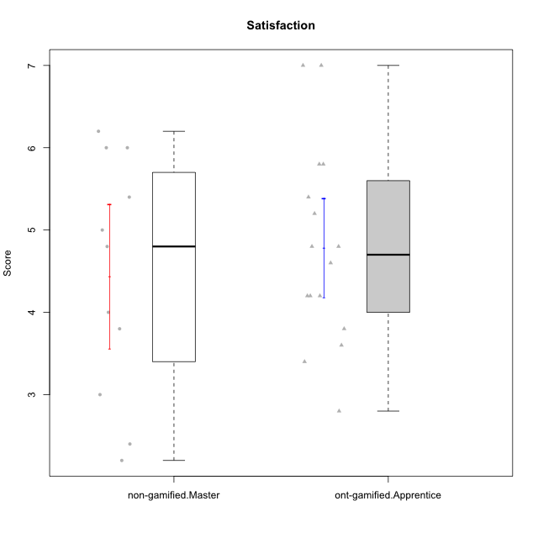

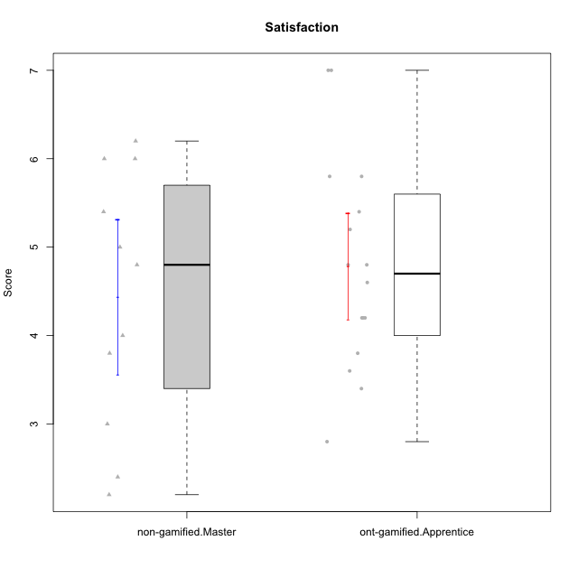

Student's t-Test data
UserID | NroUSP | Type | CLGroup | CLRole | PlayerRole | Item01A | Item04A | Item05A | Item12A | Item19A | Item20A | Item09S | Item11S | Item14S | Item24S | Item25S | Attention | Satisfaction | Level of Motivation
10175 | 10310700 | non-gamified | Grupo Team 6 | Master |  | 7 | 5 | 6 | 7 | 6 | 4 | 6 | 6 | 5 | 6 | 7 | 5.8333333333 | 6 | 5.9090909091
10179 | 10310759 | ont-gamified | Grupo Tosskor | Apprentice | Yee Achiever | 4 | 4 | 4 | 4 | 4 | 4 | 2 | 4 | 3 | 6 | 6 | 4 | 4.2 | 4.0909090909
10184 | 10276675 | non-gamified | Grupo Team 7 | Master |  | 5 | 6 | 6 | 6 | 4 | 6 | 6 | 6 | 6 | 7 | 6 | 5.5 | 6.2 | 5.8181818182
10187 | 9790781 | ont-gamified | Grupo Razorg | Apprentice | Yee Achiever | 6 | 4 | 4 | 4 | 4 | 5 | 5 | 4 | 5 | 5 | 5 | 4.5 | 4.8 | 4.6363636364
10191 | 10276981 | ont-gamified | Grupo Yeka | Apprentice | Yee Socializer | 6 | 6 | 7 | 6 | 7 | 6 | 4 | 5 | 6 | 7 | 7 | 6.3333333333 | 5.8 | 6.0909090909
10192 | 10276682 | ont-gamified | Grupo Yeka | Apprentice | Yee Socializer | 7 | 7 | 7 | 7 | 7 | 7 | 7 | 7 | 7 | 7 | 7 | 7 | 7 | 7
10193 | 10276762 | non-gamified | Grupo Team 2 | Master |  | 3 | 3 | 6 | 4 | 4 | 3 | 3 | 1 | 4 | 4 | 3 | 3.8333333333 | 3 | 3.4545454545
10197 | 10276661 | non-gamified | Grupo Team 11 | Master |  | 7 | 5 | 4 | 4 | 2 | 4 | 4 | 3 | 3 | 4 | 6 | 4.3333333333 | 4 | 4.1818181818
10201 | 10276928 | non-gamified | Grupo Team 10 | Master |  | 4 | 4 | 5 | 5 | 5 | 5 | 3 | 6 | 6 | 6 | 6 | 4.6666666667 | 5.4 | 5
10202 | 10277036 | ont-gamified | Grupo Paldira | Apprentice | Yee Achiever | 5 | 4 | 4 | 4 | 3 | 4 | 4 | 5 | 4 | 5 | 5 | 4 | 4.6 | 4.2727272727
10203 | 9921470 | ont-gamified | Grupo Paldira | Apprentice | Yee Achiever | 7 | 7 | 7 | 7 | 7 | 7 | 7 | 7 | 7 | 7 | 7 | 7 | 7 | 7
10204 | 10310471 | non-gamified | Grupo Team 5 | Master |  | 7 | 6 | 7 | 7 | 7 | 7 | 4 | 7 | 7 | 7 | 5 | 6.8333333333 | 6 | 6.4545454545
10206 | 10310721 | non-gamified | Grupo Team 9 | Master |  | 4 | 5 | 3 | 3 | 4 | 3 | 4 | 4 | 5 | 6 | 5 | 3.6666666667 | 4.8 | 4.1818181818
10209 | 10262669 | non-gamified | Grupo Team 1 | Master |  | 1 | 1 | 7 | 1 | 1 | 1 | 4 | 1 | 1 | 1 | 4 | 2 | 2.2 | 2.0909090909
10210 | 10277015 | ont-gamified | Grupo Losvakai | Apprentice | Yee Achiever | 4 | 4 | 6 | 4 | 2 | 3 | 2 | 4 | 6 | 3 | 3 | 3.8333333333 | 3.6 | 3.7272727273
10212 | 9065750 | ont-gamified | Grupo Ellaru | Apprentice | Yee Socializer | 2 | 4 | 2 | 3 | 4 | 3 | 3 | 5 | 2 | 4 | 5 | 3 | 3.8 | 3.3636363636
10213 | 10277040 | non-gamified | Grupo Team 8 | Master |  | 4 | 3 | 7 | 5 | 6 | 5 | 2 | 4 | 6 | 6 | 7 | 5 | 5 | 5
10214 | 10277022 | ont-gamified | Grupo Koil | Apprentice | Yee Achiever | 4 | 5 | 5 | 4 | 5 | 4 | 3 | 4 | 4 | 5 | 5 | 4.5 | 4.2 | 4.3636363636
10219 | 10276831 | ont-gamified | Grupo Razorg | Apprentice | Yee Achiever | 1 | 1 | 4 | 5 | 4 | 3 | 4 | 3 | 2 | 2 | 3 | 3 | 2.8 | 2.9090909091
10223 | 9795185 | non-gamified | Grupo Team 3 | Master |  | 1 | 1 | 2 | 2 | 3 | 3 | 2 | 4 | 2 | 2 | 2 | 2 | 2.4 | 2.1818181818
10226 | 10310342 | ont-gamified | Grupo Yeka | Apprentice | Yee Socializer | 6 | 4 | 3 | 6 | 5 | 5 | 4 | 6 | 5 | 6 | 6 | 4.8333333333 | 5.4 | 5.0909090909
10228 | 10310492 | ont-gamified | Grupo Losvakai | Apprentice | Yee Achiever | 4 | 4 | 4 | 5 | 4 | 4 | 4 | 4 | 4 | 5 | 4 | 4.1666666667 | 4.2 | 4.1818181818
10230 | 10351992 | ont-gamified | Grupo Koil | Apprentice | Yee Achiever | 6 | 7 | 7 | 5 | 7 | 6 | 5 | 5 | 5 | 7 | 7 | 6.3333333333 | 5.8 | 6.0909090909
10231 | 10276911 | non-gamified | Grupo Team 4 | Master |  | 3 | 4 | 4 | 2 | 2 | 2 | 1 | 3 | 4 | 6 | 5 | 2.8333333333 | 3.8 | 3.2727272727
10233 | 9805320 | ont-gamified | Grupo Tosskor | Apprentice | Yee Achiever | 2 | 3 | 5 | 4 | 6 | 7 | 1 | 4 | 2 | 6 | 4 | 4.5 | 3.4 | 4
10237 | 10377688 | ont-gamified | Grupo Ellaru | Apprentice | Yee Socializer | 4 | 3 | 6 | 4 | 4 | 3 | 4 | 5 | 5 | 5 | 5 | 4 | 4.8 | 4.3636363636
10238 | 10276953 | ont-gamified | Grupo Belos | Apprentice | Yee Socializer | 4 | 4 | 4 | 5 | 5 | 4 | 5 | 5 | 5 | 5 | 6 | 4.3333333333 | 5.2 | 4.7272727273

Type_CLRole_5
Student's t-Test for Satisfaction in Type:CLRole between non-gamified.Master:ont-gamified.Master

Student's t-Test results
Alternative hypothesis: less
Group | N | Mean | Mean.Difference | Std.deviation | Std.error | CI.lower | CI.upper | df | t.value | p.value | g | magnitude
non-gamified.Master | 11 | 4.4363636364 | -0.16363636364 | 1.4555223992 | 0.43885651564 | 3.5586506051 | 5.3140766676 | 16.611475861 | -0.26705609997 | 0.39635654256 | -0.11496580056 | negligible
ont-gamified.Master | 8 | 4.6 | 0.16363636364 | 1.2094863136 | 0.42761798706 | 3.7447640259 | 5.4552359741 | 16.611475861 | -0.26705609997 | 0.39635654256 | -0.11496580056 | negligible
Alternative hypothesis: greater
Group | N | Mean | Mean.Difference | Std.deviation | Std.error | CI.lower | CI.upper | df | t.value | p.value | g | magnitude
non-gamified.Master | 11 | 4.4363636364 | -0.16363636364 | 1.4555223992 | 0.43885651564 | 3.5586506051 | 5.3140766676 | 16.611475861 | -0.26705609997 | 0.60364345744 | -0.11496580056 | negligible
ont-gamified.Master | 8 | 4.6 | 0.16363636364 | 1.2094863136 | 0.42761798706 | 3.7447640259 | 5.4552359741 | 16.611475861 | -0.26705609997 | 0.60364345744 | -0.11496580056 | negligible
Alternative hypothesis: two.sided
Group | N | Mean | Mean.Difference | Std.deviation | Std.error | CI.lower | CI.upper | df | t.value | p.value | g | magnitude
non-gamified.Master | 11 | 4.4363636364 | -0.16363636364 | 1.4555223992 | 0.43885651564 | 3.5586506051 | 5.3140766676 | 16.611475861 | -0.26705609997 | 0.79271308513 | -0.11496580056 | negligible
ont-gamified.Master | 8 | 4.6 | 0.16363636364 | 1.2094863136 | 0.42761798706 | 3.7447640259 | 5.4552359741 | 16.611475861 | -0.26705609997 | 0.79271308513 | -0.11496580056 | negligible

Box plots for Student's t-Test
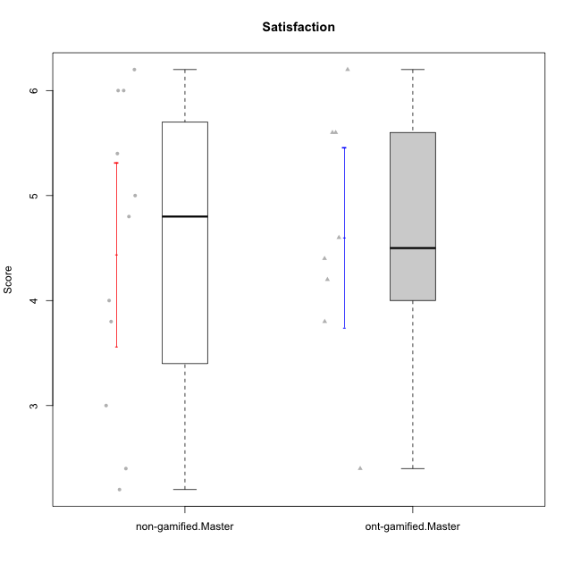

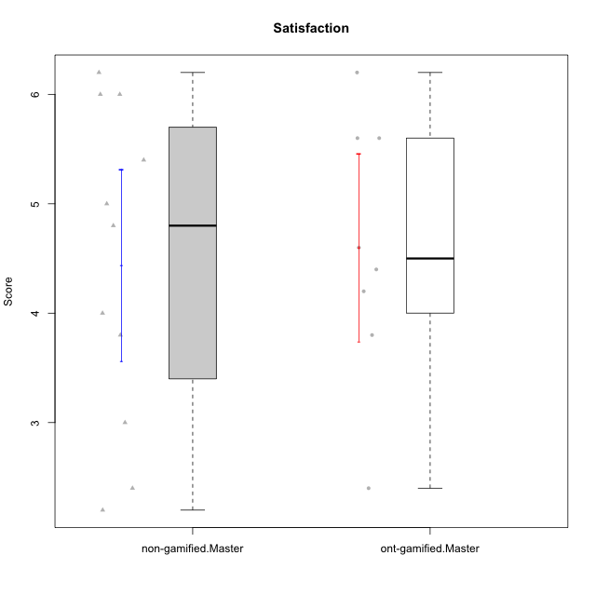

Student's t-Test data
UserID | NroUSP | Type | CLGroup | CLRole | PlayerRole | Item01A | Item04A | Item05A | Item12A | Item19A | Item20A | Item09S | Item11S | Item14S | Item24S | Item25S | Attention | Satisfaction | Level of Motivation
10171 | 698531 | ont-gamified | Grupo Losvakai | Master | Yee Achiever | 5 | 5 | 6 | 5 | 5 | 4 | 4 | 5 | 6 | 6 | 7 | 5 | 5.6 | 5.2727272727
10172 | 10273971 | ont-gamified | Grupo Koil | Master | Yee Achiever | 6 | 6 | 6 | 4 | 5 | 5 | 4 | 5 | 4 | 5 | 5 | 5.3333333333 | 4.6 | 5
10175 | 10310700 | non-gamified | Grupo Team 6 | Master |  | 7 | 5 | 6 | 7 | 6 | 4 | 6 | 6 | 5 | 6 | 7 | 5.8333333333 | 6 | 5.9090909091
10184 | 10276675 | non-gamified | Grupo Team 7 | Master |  | 5 | 6 | 6 | 6 | 4 | 6 | 6 | 6 | 6 | 7 | 6 | 5.5 | 6.2 | 5.8181818182
10185 | 10276960 | ont-gamified | Grupo Tosskor | Master | Yee Achiever | 4 | 5 | 5 | 4 | 5 | 3 | 3 | 4 | 4 | 4 | 4 | 4.3333333333 | 3.8 | 4.0909090909
10188 | 10276995 | ont-gamified | Grupo Paldira | Master | Yee Achiever | 4 | 5 | 4 | 5 | 3 | 4 | 4 | 4 | 4 | 5 | 4 | 4.1666666667 | 4.2 | 4.1818181818
10193 | 10276762 | non-gamified | Grupo Team 2 | Master |  | 3 | 3 | 6 | 4 | 4 | 3 | 3 | 1 | 4 | 4 | 3 | 3.8333333333 | 3 | 3.4545454545
10197 | 10276661 | non-gamified | Grupo Team 11 | Master |  | 7 | 5 | 4 | 4 | 2 | 4 | 4 | 3 | 3 | 4 | 6 | 4.3333333333 | 4 | 4.1818181818
10201 | 10276928 | non-gamified | Grupo Team 10 | Master |  | 4 | 4 | 5 | 5 | 5 | 5 | 3 | 6 | 6 | 6 | 6 | 4.6666666667 | 5.4 | 5
10204 | 10310471 | non-gamified | Grupo Team 5 | Master |  | 7 | 6 | 7 | 7 | 7 | 7 | 4 | 7 | 7 | 7 | 5 | 6.8333333333 | 6 | 6.4545454545
10206 | 10310721 | non-gamified | Grupo Team 9 | Master |  | 4 | 5 | 3 | 3 | 4 | 3 | 4 | 4 | 5 | 6 | 5 | 3.6666666667 | 4.8 | 4.1818181818
10208 | 10276932 | ont-gamified | Grupo Yeka | Master | Yee Socializer | 4 | 3 | 5 | 3 | 5 | 4 | 4 | 5 | 4 | 5 | 4 | 4 | 4.4 | 4.1818181818
10209 | 10262669 | non-gamified | Grupo Team 1 | Master |  | 1 | 1 | 7 | 1 | 1 | 1 | 4 | 1 | 1 | 1 | 4 | 2 | 2.2 | 2.0909090909
10211 | 9311643 | ont-gamified | Grupo Razorg | Master | Yee Achiever | 1 | 1 | 1 | 2 | 1 | 1 | 2 | 3 | 2 | 4 | 1 | 1.1666666667 | 2.4 | 1.7272727273
10213 | 10277040 | non-gamified | Grupo Team 8 | Master |  | 4 | 3 | 7 | 5 | 6 | 5 | 2 | 4 | 6 | 6 | 7 | 5 | 5 | 5
10216 | 10276720 | ont-gamified | Grupo Ellaru | Master | Yee Socializer | 2 | 5 | 7 | 3 | 7 | 2 | 4 | 7 | 6 | 7 | 7 | 4.3333333333 | 6.2 | 5.1818181818
10217 | 9805341 | ont-gamified | Grupo Belos | Master | Yee Socializer | 5 | 6 | 6 | 4 | 4 | 5 | 4 | 6 | 6 | 6 | 6 | 5 | 5.6 | 5.2727272727
10223 | 9795185 | non-gamified | Grupo Team 3 | Master |  | 1 | 1 | 2 | 2 | 3 | 3 | 2 | 4 | 2 | 2 | 2 | 2 | 2.4 | 2.1818181818
10231 | 10276911 | non-gamified | Grupo Team 4 | Master |  | 3 | 4 | 4 | 2 | 2 | 2 | 1 | 3 | 4 | 6 | 5 | 2.8333333333 | 3.8 | 3.2727272727

Type_CLRole_6
Student's t-Test for Satisfaction in Type:CLRole between ont-gamified.Apprentice:ont-gamified.Master

Student's t-Test results
Alternative hypothesis: less
Group | N | Mean | Mean.Difference | Std.deviation | Std.error | CI.lower | CI.upper | df | t.value | p.value | g | magnitude
ont-gamified.Apprentice | 16 | 4.7875 | 0.1875 | 1.2032594622 | 0.30081486555 | 4.1858702689 | 5.3891297311 | 14.038043599 | 0.35862811513 | 0.63739530186 | 0.15020564243 | negligible
ont-gamified.Master | 8 | 4.6 | -0.1875 | 1.2094863136 | 0.42761798706 | 3.7447640259 | 5.4552359741 | 14.038043599 | 0.35862811513 | 0.63739530186 | 0.15020564243 | negligible
Alternative hypothesis: greater
Group | N | Mean | Mean.Difference | Std.deviation | Std.error | CI.lower | CI.upper | df | t.value | p.value | g | magnitude
ont-gamified.Apprentice | 16 | 4.7875 | 0.1875 | 1.2032594622 | 0.30081486555 | 4.1858702689 | 5.3891297311 | 14.038043599 | 0.35862811513 | 0.36260469814 | 0.15020564243 | negligible
ont-gamified.Master | 8 | 4.6 | -0.1875 | 1.2094863136 | 0.42761798706 | 3.7447640259 | 5.4552359741 | 14.038043599 | 0.35862811513 | 0.36260469814 | 0.15020564243 | negligible
Alternative hypothesis: two.sided
Group | N | Mean | Mean.Difference | Std.deviation | Std.error | CI.lower | CI.upper | df | t.value | p.value | g | magnitude
ont-gamified.Apprentice | 16 | 4.7875 | 0.1875 | 1.2032594622 | 0.30081486555 | 4.1858702689 | 5.3891297311 | 14.038043599 | 0.35862811513 | 0.72520939628 | 0.15020564243 | negligible
ont-gamified.Master | 8 | 4.6 | -0.1875 | 1.2094863136 | 0.42761798706 | 3.7447640259 | 5.4552359741 | 14.038043599 | 0.35862811513 | 0.72520939628 | 0.15020564243 | negligible

Box plots for Student's t-Test
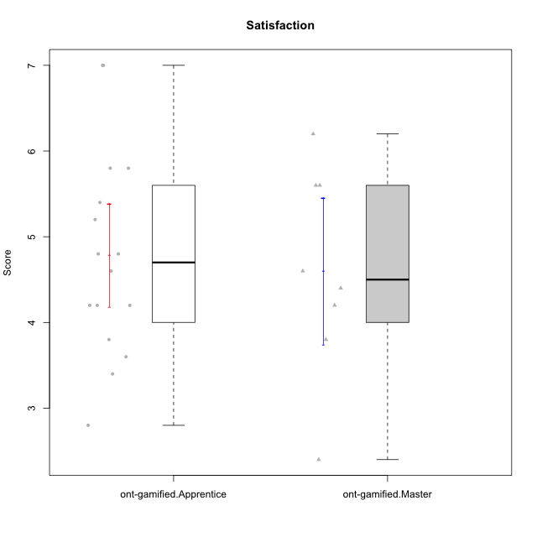

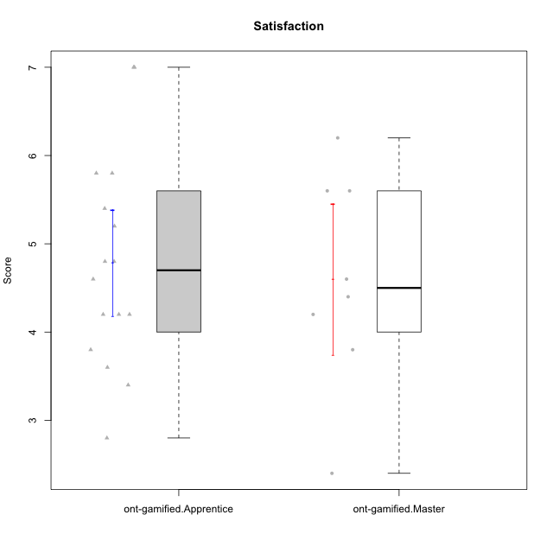

Student's t-Test data
UserID | NroUSP | Type | CLGroup | CLRole | PlayerRole | Item01A | Item04A | Item05A | Item12A | Item19A | Item20A | Item09S | Item11S | Item14S | Item24S | Item25S | Attention | Satisfaction | Level of Motivation
10171 | 698531 | ont-gamified | Grupo Losvakai | Master | Yee Achiever | 5 | 5 | 6 | 5 | 5 | 4 | 4 | 5 | 6 | 6 | 7 | 5 | 5.6 | 5.2727272727
10172 | 10273971 | ont-gamified | Grupo Koil | Master | Yee Achiever | 6 | 6 | 6 | 4 | 5 | 5 | 4 | 5 | 4 | 5 | 5 | 5.3333333333 | 4.6 | 5
10179 | 10310759 | ont-gamified | Grupo Tosskor | Apprentice | Yee Achiever | 4 | 4 | 4 | 4 | 4 | 4 | 2 | 4 | 3 | 6 | 6 | 4 | 4.2 | 4.0909090909
10185 | 10276960 | ont-gamified | Grupo Tosskor | Master | Yee Achiever | 4 | 5 | 5 | 4 | 5 | 3 | 3 | 4 | 4 | 4 | 4 | 4.3333333333 | 3.8 | 4.0909090909
10187 | 9790781 | ont-gamified | Grupo Razorg | Apprentice | Yee Achiever | 6 | 4 | 4 | 4 | 4 | 5 | 5 | 4 | 5 | 5 | 5 | 4.5 | 4.8 | 4.6363636364
10188 | 10276995 | ont-gamified | Grupo Paldira | Master | Yee Achiever | 4 | 5 | 4 | 5 | 3 | 4 | 4 | 4 | 4 | 5 | 4 | 4.1666666667 | 4.2 | 4.1818181818
10191 | 10276981 | ont-gamified | Grupo Yeka | Apprentice | Yee Socializer | 6 | 6 | 7 | 6 | 7 | 6 | 4 | 5 | 6 | 7 | 7 | 6.3333333333 | 5.8 | 6.0909090909
10192 | 10276682 | ont-gamified | Grupo Yeka | Apprentice | Yee Socializer | 7 | 7 | 7 | 7 | 7 | 7 | 7 | 7 | 7 | 7 | 7 | 7 | 7 | 7
10202 | 10277036 | ont-gamified | Grupo Paldira | Apprentice | Yee Achiever | 5 | 4 | 4 | 4 | 3 | 4 | 4 | 5 | 4 | 5 | 5 | 4 | 4.6 | 4.2727272727
10203 | 9921470 | ont-gamified | Grupo Paldira | Apprentice | Yee Achiever | 7 | 7 | 7 | 7 | 7 | 7 | 7 | 7 | 7 | 7 | 7 | 7 | 7 | 7
10208 | 10276932 | ont-gamified | Grupo Yeka | Master | Yee Socializer | 4 | 3 | 5 | 3 | 5 | 4 | 4 | 5 | 4 | 5 | 4 | 4 | 4.4 | 4.1818181818
10210 | 10277015 | ont-gamified | Grupo Losvakai | Apprentice | Yee Achiever | 4 | 4 | 6 | 4 | 2 | 3 | 2 | 4 | 6 | 3 | 3 | 3.8333333333 | 3.6 | 3.7272727273
10211 | 9311643 | ont-gamified | Grupo Razorg | Master | Yee Achiever | 1 | 1 | 1 | 2 | 1 | 1 | 2 | 3 | 2 | 4 | 1 | 1.1666666667 | 2.4 | 1.7272727273
10212 | 9065750 | ont-gamified | Grupo Ellaru | Apprentice | Yee Socializer | 2 | 4 | 2 | 3 | 4 | 3 | 3 | 5 | 2 | 4 | 5 | 3 | 3.8 | 3.3636363636
10214 | 10277022 | ont-gamified | Grupo Koil | Apprentice | Yee Achiever | 4 | 5 | 5 | 4 | 5 | 4 | 3 | 4 | 4 | 5 | 5 | 4.5 | 4.2 | 4.3636363636
10216 | 10276720 | ont-gamified | Grupo Ellaru | Master | Yee Socializer | 2 | 5 | 7 | 3 | 7 | 2 | 4 | 7 | 6 | 7 | 7 | 4.3333333333 | 6.2 | 5.1818181818
10217 | 9805341 | ont-gamified | Grupo Belos | Master | Yee Socializer | 5 | 6 | 6 | 4 | 4 | 5 | 4 | 6 | 6 | 6 | 6 | 5 | 5.6 | 5.2727272727
10219 | 10276831 | ont-gamified | Grupo Razorg | Apprentice | Yee Achiever | 1 | 1 | 4 | 5 | 4 | 3 | 4 | 3 | 2 | 2 | 3 | 3 | 2.8 | 2.9090909091
10226 | 10310342 | ont-gamified | Grupo Yeka | Apprentice | Yee Socializer | 6 | 4 | 3 | 6 | 5 | 5 | 4 | 6 | 5 | 6 | 6 | 4.8333333333 | 5.4 | 5.0909090909
10228 | 10310492 | ont-gamified | Grupo Losvakai | Apprentice | Yee Achiever | 4 | 4 | 4 | 5 | 4 | 4 | 4 | 4 | 4 | 5 | 4 | 4.1666666667 | 4.2 | 4.1818181818
10230 | 10351992 | ont-gamified | Grupo Koil | Apprentice | Yee Achiever | 6 | 7 | 7 | 5 | 7 | 6 | 5 | 5 | 5 | 7 | 7 | 6.3333333333 | 5.8 | 6.0909090909
10233 | 9805320 | ont-gamified | Grupo Tosskor | Apprentice | Yee Achiever | 2 | 3 | 5 | 4 | 6 | 7 | 1 | 4 | 2 | 6 | 4 | 4.5 | 3.4 | 4
10237 | 10377688 | ont-gamified | Grupo Ellaru | Apprentice | Yee Socializer | 4 | 3 | 6 | 4 | 4 | 3 | 4 | 5 | 5 | 5 | 5 | 4 | 4.8 | 4.3636363636
10238 | 10276953 | ont-gamified | Grupo Belos | Apprentice | Yee Socializer | 4 | 4 | 4 | 5 | 5 | 4 | 5 | 5 | 5 | 5 | 6 | 4.3333333333 | 5.2 | 4.7272727273

