Assumptions
ANOVA assumptions for Satisfaction

Shapiro-Wilk normality test for Satisfaction
W | p.value
0.96675945127 | 0.16175501595

Plots for normality test
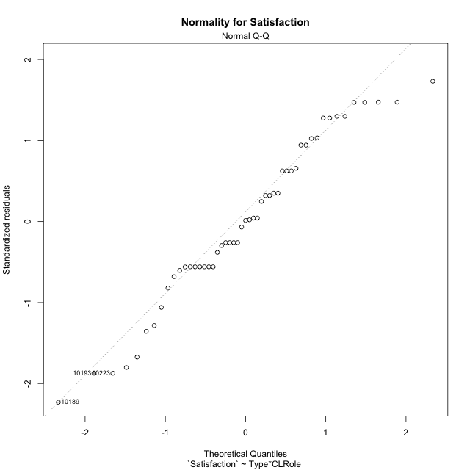

Levene's Test for Homogeneity of Variance in Satisfaction
Df | F value | Pr(>F)
3 | 0.60743604658 | 0.61348659417
47

Plots for homogeneity of variance
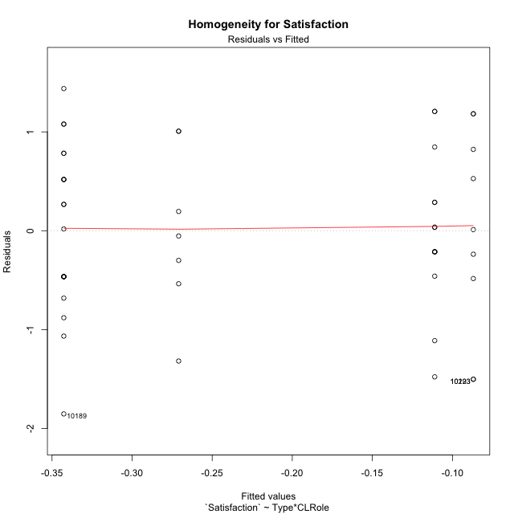

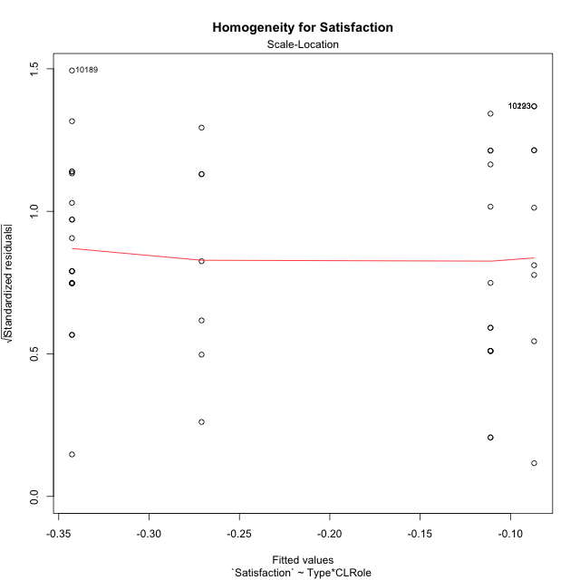

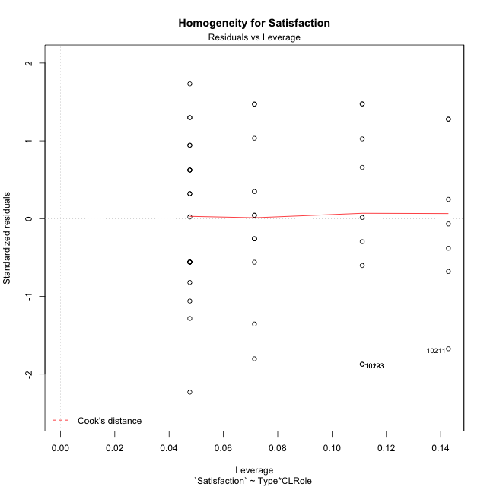

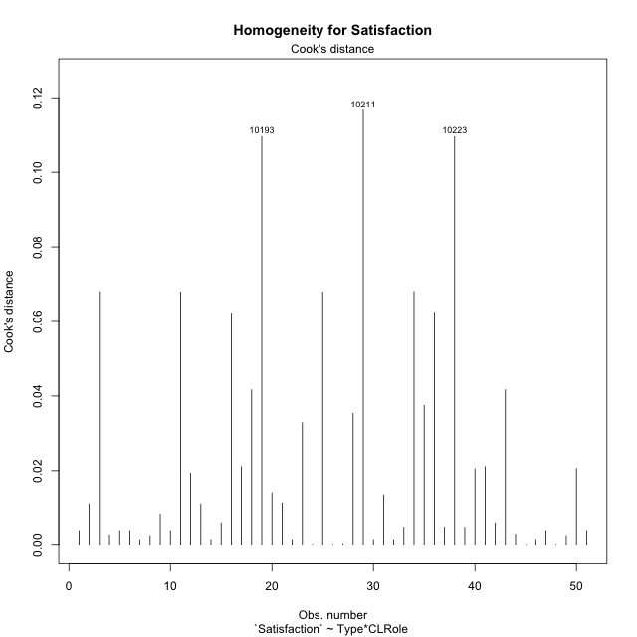

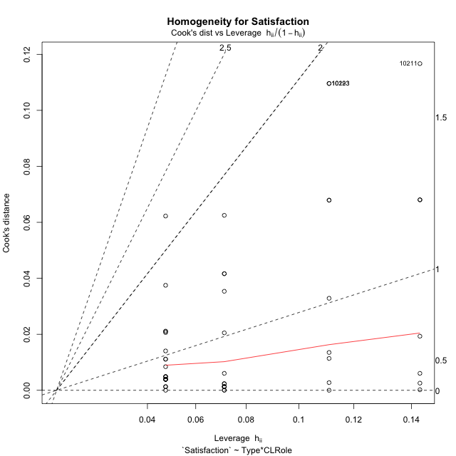

Minimum Sample Size Test for Satisfaction
Type | CLRole | Freq
non-gamified | Apprentice | 21
ont-gamified | Apprentice | 14
non-gamified | Master | 9
ont-gamified | Master | 7

Errors and Warnings in Sample Size Test for ANOVA in Satisfaction
code | description
WARN: sample.size | current.size is = 14 and recommended.size must be = 15 for the group: 'ont-gamified:Apprentice'. Size sample for parametric test isn't recomended
WARN: sample.size | current.size is = 9 and recommended.size must be = 15 for the group: 'non-gamified:Master'. Size sample for parametric test isn't recomended
WARN: sample.size | current.size is = 7 and recommended.size must be = 15 for the group: 'ont-gamified:Master'. Size sample for parametric test isn't recomended

For the group: 'non-gamified:Apprentice', you can perform a parametric test with a non-normal distribution For the group: 'ont-gamified:Apprentice', we recommend the use of non parametric test. For the group: 'non-gamified:Master', we recommend the use of non parametric test. For the group: 'ont-gamified:Master', we recommend the use of non parametric test.

If you don't want to remove non-normal data, you must cite the following references: ... (1) Lix, L.M., J.C. Keselman, and H.J. Keselman. 1996. Consequences of assumption violations revisited: A quantitative review of alternatives to the one-way analysis of variance F test. Rev. Educ. Res. 66: 579-619. ... (2) Harwell, M.R., E.N. Rubinstein, W.S. Hayes, and C.C. Olds. 1992. Summarizing Monte Carlo results in methodological research: the one- and two-factor fixed effects ANOVA cases. J. Educ. Stat. 17: 315-339.

Post-hoc
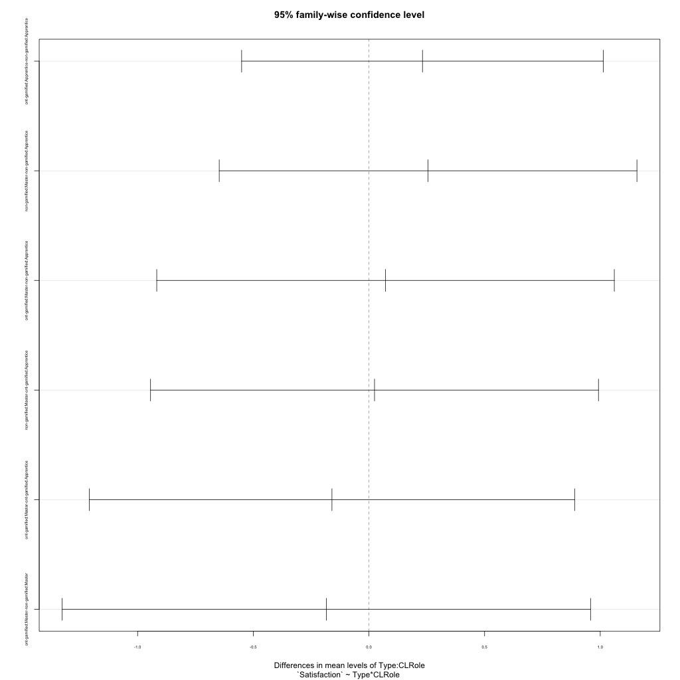
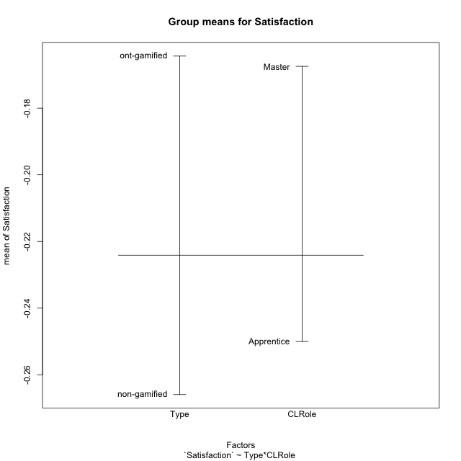
Post-hoc Tukey Honestly Significant Difference (HSD) Test for Satisfaction

Comparisons of means for Type
 | diff | lwr | upr | p adj
ont-gamified-non-gamified | 0.10157157633 | -0.38545012075 | 0.58859327341 | 0.67671731397

Comparisons of means for CLRole
 | diff | lwr | upr | p adj
Master-Apprentice | 0.078765700486 | -0.4377988164 | 0.59533021737 | 0.76038862112

Comparisons of means for Type:CLRole
 | diff | lwr | upr | p adj
ont-gamified:Apprentice-non-gamified:Apprentice | 0.23156568318 | -0.5503439021 | 1.0134752685 | 0.85917967262
non-gamified:Master-non-gamified:Apprentice | 0.25569483579 | -0.6471765833 | 1.1585662549 | 0.87437963676
ont-gamified:Master-non-gamified:Apprentice | 0.07170871484 | -0.91733737068 | 1.0607548004 | 0.99741142381
non-gamified:Master-ont-gamified:Apprentice | 0.024129152602 | -0.94409257785 | 0.99235088305 | 0.99989349225
ont-gamified:Master-ont-gamified:Apprentice | -0.15985696834 | -1.2088987593 | 0.88918482262 | 0.97714579641
ont-gamified:Master-non-gamified:Master | -0.18398612095 | -1.3260381684 | 0.95806592649 | 0.97319908162

Contrast Matrices for Satisfaction - Type
contrast | estimate | SE | df | t.ratio | p.value
non-gamified - ont-gamified | -0.023789781119 | 0.25983353089 | 47 | -0.091557779465 | 0.92743852248

Contrast Matrices for Satisfaction - Type:CLRole
contrast | CLRole | estimate | SE | df | t.ratio | p.value
non-gamified - ont-gamified | Apprentice | -0.23156568318 | 0.29357690741 | 47 | -0.78877349458 | 0.43420522992
non-gamified - ont-gamified | Master | 0.18398612095 | 0.4287965188 | 47 | 0.42907559385 | 0.66982865606

Least Squares Means and Confidence Intervals for Type
Type | lsmean | SE | df | lower.CL | upper.CL | Pairs
non-gamified | -0.21480264616 | 0.16949670652 | 47 | -0.55578603761 | 0.12618074529 | non-gamified
ont-gamified | -0.19101286504 | 0.19693737648 | 47 | -0.58719976396 | 0.20517403389 | ont-gamified

Least Squares Means and Confidence Intervals for Type:CLRole
Type | CLRole | lsmean | SE | df | lower.CL | upper.CL | Pairs
non-gamified | Apprentice | -0.34265006405 | 0.18567433917 | 47 | -0.71617865452 | 0.030878526413 | non-gamified.Apprentice
ont-gamified | Apprentice | -0.11108438087 | 0.22740369464 | 47 | -0.56856160635 | 0.34639284462 | ont-gamified.Apprentice
non-gamified | Master | -0.086955228264 | 0.28362223795 | 47 | -0.65752957494 | 0.48361911841 | non-gamified.Master
ont-gamified | Master | -0.27094134921 | 0.3215973891 | 47 | -0.91791184597 | 0.37602914755 | ont-gamified.Master

Plots

Type_1
Student's t-Test for Satisfaction in Type between non-gamified:ont-gamified

Student's t-Test results
Alternative hypothesis: less
Group | N | Mean | Mean.Difference | Std.deviation | Std.error | CI.lower | CI.upper | df | t.value | p.value | g | magnitude
non-gamified | 30 | -0.26594161332 | -0.10157157633 | 0.88363767238 | 0.16132942861 | -0.58860047053 | 0.0567172439 | 46.525538851 | -0.43550647184 | 0.33260434711 | -0.11908662227 | negligible
ont-gamified | 21 | -0.16437003698 | 0.10157157633 | 0.77182515554 | 0.16842605707 | -0.50122215113 | 0.17248207716 | 46.525538851 | -0.43550647184 | 0.33260434711 | -0.11908662227 | negligible
Alternative hypothesis: greater
Group | N | Mean | Mean.Difference | Std.deviation | Std.error | CI.lower | CI.upper | df | t.value | p.value | g | magnitude
non-gamified | 30 | -0.26594161332 | -0.10157157633 | 0.88363767238 | 0.16132942861 | -0.58860047053 | 0.0567172439 | 46.525538851 | -0.43550647184 | 0.66739565289 | -0.11908662227 | negligible
ont-gamified | 21 | -0.16437003698 | 0.10157157633 | 0.77182515554 | 0.16842605707 | -0.50122215113 | 0.17248207716 | 46.525538851 | -0.43550647184 | 0.66739565289 | -0.11908662227 | negligible
Alternative hypothesis: two.sided
Group | N | Mean | Mean.Difference | Std.deviation | Std.error | CI.lower | CI.upper | df | t.value | p.value | g | magnitude
non-gamified | 30 | -0.26594161332 | -0.10157157633 | 0.88363767238 | 0.16132942861 | -0.58860047053 | 0.0567172439 | 46.525538851 | -0.43550647184 | 0.66520869422 | -0.11908662227 | negligible
ont-gamified | 21 | -0.16437003698 | 0.10157157633 | 0.77182515554 | 0.16842605707 | -0.50122215113 | 0.17248207716 | 46.525538851 | -0.43550647184 | 0.66520869422 | -0.11908662227 | negligible

Box plots for Student's t-Test
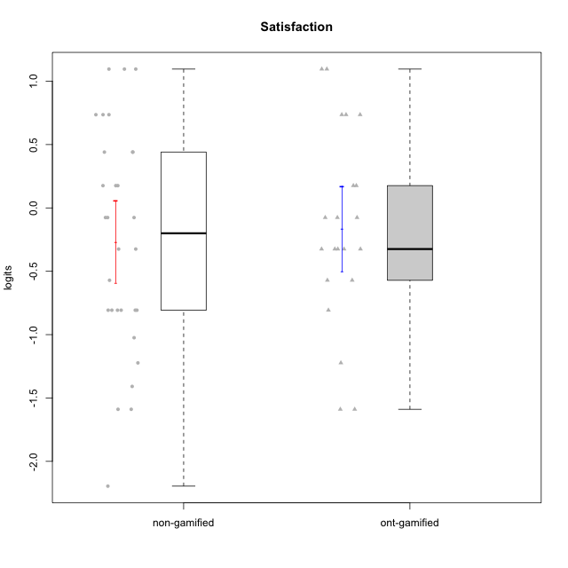

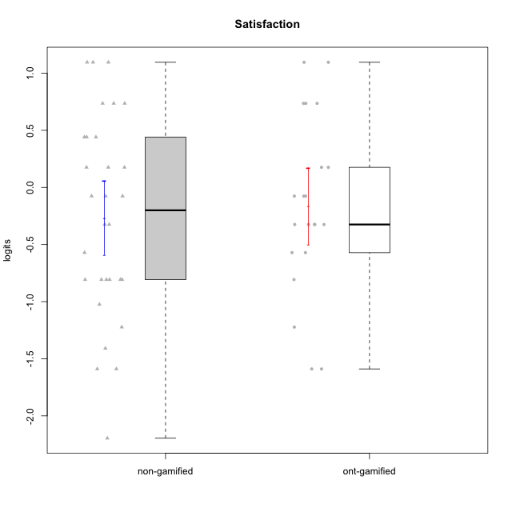

Student's t-Test data
UserID | NroUSP | Type | CLGroup | CLRole | PlayerRole | Satisfaction | error | WLE.rel
10169 | 10377538 | non-gamified | Grupo Team 10 | Apprentice |  | -0.80711445064 | 0.47336422487 | 0.68918373895
10170 | 10260351 | non-gamified | Grupo Team 6 | Apprentice |  | 0.44052628594 | 0.54816859364 | 0.68918373895
10171 | 698531 | ont-gamified | Grupo Losvakai | Master | Yee Achiever | 0.73574069598 | 0.59188550545 | 0.68918373895
10172 | 10273971 | ont-gamified | Grupo Koil | Master | Yee Achiever | -0.076047710592 | 0.50758232207 | 0.68918373895
10174 | 10276852 | non-gamified | Grupo Team 1 | Apprentice |  | -0.80711445064 | 0.47336422487 | 0.68918373895
10176 | 10276949 | non-gamified | Grupo Team 9 | Apprentice |  | -0.80711445064 | 0.47336422487 | 0.68918373895
10178 | 8656201 | non-gamified | Grupo Team 11 | Apprentice |  | -0.076047710592 | 0.50758232207 | 0.68918373895
10179 | 10310759 | ont-gamified | Grupo Tosskor | Apprentice | Yee Achiever | 0.1758193737 | 0.52276838566 | 0.68918373895
10181 | 10276866 | non-gamified | Grupo Team 7 | Apprentice |  | -1.0243944378 | 0.46051209227 | 0.68918373895
10183 | 10352030 | non-gamified | Grupo Belos | Apprentice | Yee Socializer | -0.80711445064 | 0.47336422487 | 0.68918373895
10184 | 10276675 | non-gamified | Grupo Team 7 | Master |  | 1.0956641887 | 0.67076204469 | 0.68918373895
10185 | 10276960 | ont-gamified | Grupo Tosskor | Master | Yee Achiever | -0.80711445064 | 0.47336422487 | 0.68918373895
10186 | 10310551 | non-gamified | Grupo Team 5 | Apprentice |  | 0.44052628594 | 0.54816859364 | 0.68918373895
10187 | 9790781 | ont-gamified | Grupo Razorg | Apprentice | Yee Achiever | -0.32463380358 | 0.49696856271 | 0.68918373895
10188 | 10276995 | ont-gamified | Grupo Paldira | Master | Yee Achiever | -0.57103884373 | 0.48622756286 | 0.68918373895
10189 | 9363926 | non-gamified | Grupo Team 2 | Apprentice |  | -2.1957042986 | 0.54434901651 | 0.68918373895
10190 | 10276907 | non-gamified | Grupo Team 8 | Apprentice |  | 0.73574069598 | 0.59188550545 | 0.68918373895
10191 | 10276981 | ont-gamified | Grupo Yeka | Apprentice | Yee Socializer | 1.0956641887 | 0.67076204469 | 0.68918373895
10193 | 10276762 | non-gamified | Grupo Team 2 | Master |  | -1.5892360279 | 0.45129686392 | 0.68918373895
10196 | 10310655 | non-gamified | Grupo Team 5 | Apprentice |  | -1.2229836458 | 0.45108481277 | 0.68918373895
10197 | 10276661 | non-gamified | Grupo Team 11 | Master |  | -0.57103884373 | 0.48622756286 | 0.68918373895
10200 | 9795272 | non-gamified | Grupo Team 4 | Apprentice |  | -0.076047710592 | 0.50758232207 | 0.68918373895
10201 | 10276928 | non-gamified | Grupo Team 10 | Master |  | 0.73574069598 | 0.59188550545 | 0.68918373895
10202 | 10277036 | ont-gamified | Grupo Paldira | Apprentice | Yee Achiever | -0.076047710592 | 0.50758232207 | 0.68918373895
10204 | 10310471 | non-gamified | Grupo Team 5 | Master |  | 1.0956641887 | 0.67076204469 | 0.68918373895
10206 | 10310721 | non-gamified | Grupo Team 9 | Master |  | -0.076047710592 | 0.50758232207 | 0.68918373895
10208 | 10276932 | ont-gamified | Grupo Yeka | Master | Yee Socializer | -0.32463380358 | 0.49696856271 | 0.68918373895
10210 | 10277015 | ont-gamified | Grupo Losvakai | Apprentice | Yee Achiever | -1.2229836458 | 0.45108481277 | 0.68918373895
10211 | 9311643 | ont-gamified | Grupo Razorg | Master | Yee Achiever | -1.5892360279 | 0.45129686392 | 0.68918373895
10212 | 9065750 | ont-gamified | Grupo Ellaru | Apprentice | Yee Socializer | -0.32463380358 | 0.49696856271 | 0.68918373895
10213 | 10277040 | non-gamified | Grupo Team 8 | Master |  | 0.44052628594 | 0.54816859364 | 0.68918373895
10214 | 10277022 | ont-gamified | Grupo Koil | Apprentice | Yee Achiever | -0.32463380358 | 0.49696856271 | 0.68918373895
10215 | 9285227 | non-gamified | Grupo Team 7 | Apprentice |  | 0.1758193737 | 0.52276838566 | 0.68918373895
10217 | 9805341 | ont-gamified | Grupo Belos | Master | Yee Socializer | 0.73574069598 | 0.59188550545 | 0.68918373895
10218 | 9842913 | non-gamified | Grupo Team 10 | Apprentice |  | 1.0956641887 | 0.67076204469 | 0.68918373895
10219 | 10276831 | ont-gamified | Grupo Razorg | Apprentice | Yee Achiever | -1.5892360279 | 0.45129686392 | 0.68918373895
10221 | 9082496 | non-gamified | Grupo Team 3 | Apprentice |  | 0.1758193737 | 0.52276838566 | 0.68918373895
10223 | 9795185 | non-gamified | Grupo Team 3 | Master |  | -1.5892360279 | 0.45129686392 | 0.68918373895
10224 | 9368772 | non-gamified | Grupo Team 9 | Apprentice |  | 0.1758193737 | 0.52276838566 | 0.68918373895
10226 | 10310342 | ont-gamified | Grupo Yeka | Apprentice | Yee Socializer | 0.73574069598 | 0.59188550545 | 0.68918373895
10227 | 9274382 | non-gamified | Grupo Team 2 | Apprentice |  | 0.73574069598 | 0.59188550545 | 0.68918373895
10228 | 10310492 | ont-gamified | Grupo Losvakai | Apprentice | Yee Achiever | -0.57103884373 | 0.48622756286 | 0.68918373895
10230 | 10351992 | ont-gamified | Grupo Koil | Apprentice | Yee Achiever | 1.0956641887 | 0.67076204469 | 0.68918373895
10231 | 10276911 | non-gamified | Grupo Team 4 | Master |  | -0.32463380358 | 0.49696856271 | 0.68918373895
10232 | 10276974 | non-gamified | Grupo Team 3 | Apprentice |  | -0.32463380358 | 0.49696856271 | 0.68918373895
10233 | 9805320 | ont-gamified | Grupo Tosskor | Apprentice | Yee Achiever | -0.32463380358 | 0.49696856271 | 0.68918373895
10234 | 10310676 | non-gamified | Grupo Team 6 | Apprentice |  | -0.80711445064 | 0.47336422487 | 0.68918373895
10237 | 10377688 | ont-gamified | Grupo Ellaru | Apprentice | Yee Socializer | -0.076047710592 | 0.50758232207 | 0.68918373895
10238 | 10276953 | ont-gamified | Grupo Belos | Apprentice | Yee Socializer | 0.1758193737 | 0.52276838566 | 0.68918373895
10240 | 10276654 | non-gamified | Grupo Team 8 | Apprentice |  | -1.408809308 | 0.44744004824 | 0.68918373895
10242 | 9424506 | non-gamified | Grupo Team 11 | Apprentice |  | -0.80711445064 | 0.47336422487 | 0.68918373895

Type_CLRole_1
Student's t-Test for Satisfaction in Type:CLRole between non-gamified.Apprentice:non-gamified.Master

Student's t-Test results
Alternative hypothesis: less
Group | N | Mean | Mean.Difference | Std.deviation | Std.error | CI.lower | CI.upper | df | t.value | p.value | g | magnitude
non-gamified.Apprentice | 21 | -0.34265006405 | -0.25569483579 | 0.82688791762 | 0.18044173684 | -0.70353353774 | 0.018233409638 | 12.605398521 | -0.65713117507 | 0.26145710889 | -0.27919963801 | small
non-gamified.Master | 9 | -0.086955228264 | 0.25569483579 | 1.0342198104 | 0.34473993681 | -0.77643510188 | 0.60252464535 | 12.605398521 | -0.65713117507 | 0.26145710889 | -0.27919963801 | small
Alternative hypothesis: greater
Group | N | Mean | Mean.Difference | Std.deviation | Std.error | CI.lower | CI.upper | df | t.value | p.value | g | magnitude
non-gamified.Apprentice | 21 | -0.34265006405 | -0.25569483579 | 0.82688791762 | 0.18044173684 | -0.70353353774 | 0.018233409638 | 12.605398521 | -0.65713117507 | 0.73854289111 | -0.27919963801 | small
non-gamified.Master | 9 | -0.086955228264 | 0.25569483579 | 1.0342198104 | 0.34473993681 | -0.77643510188 | 0.60252464535 | 12.605398521 | -0.65713117507 | 0.73854289111 | -0.27919963801 | small
Alternative hypothesis: two.sided
Group | N | Mean | Mean.Difference | Std.deviation | Std.error | CI.lower | CI.upper | df | t.value | p.value | g | magnitude
non-gamified.Apprentice | 21 | -0.34265006405 | -0.25569483579 | 0.82688791762 | 0.18044173684 | -0.70353353774 | 0.018233409638 | 12.605398521 | -0.65713117507 | 0.52291421778 | -0.27919963801 | small
non-gamified.Master | 9 | -0.086955228264 | 0.25569483579 | 1.0342198104 | 0.34473993681 | -0.77643510188 | 0.60252464535 | 12.605398521 | -0.65713117507 | 0.52291421778 | -0.27919963801 | small

Box plots for Student's t-Test
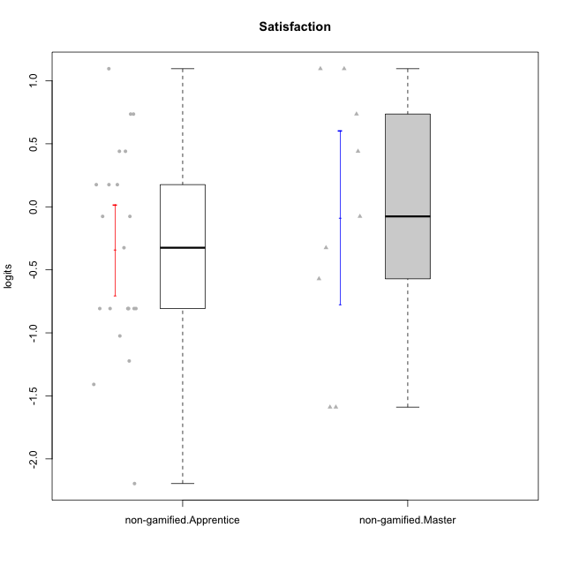

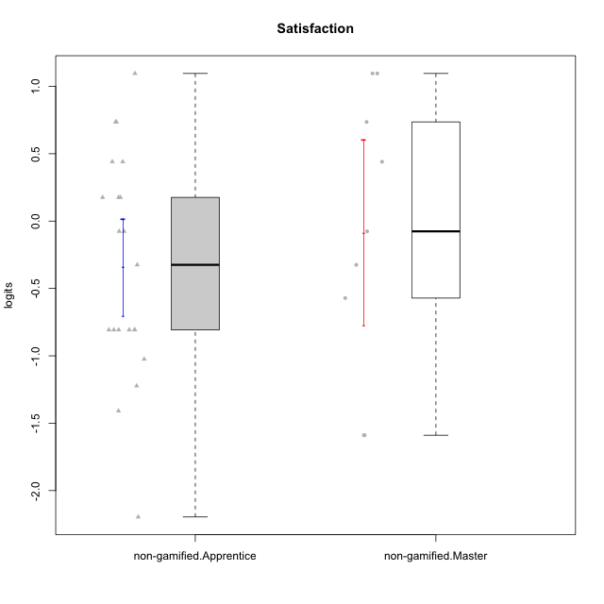

Student's t-Test data
UserID | NroUSP | Type | CLGroup | CLRole | PlayerRole | Satisfaction | error | WLE.rel
10169 | 10377538 | non-gamified | Grupo Team 10 | Apprentice |  | -0.80711445064 | 0.47336422487 | 0.68918373895
10170 | 10260351 | non-gamified | Grupo Team 6 | Apprentice |  | 0.44052628594 | 0.54816859364 | 0.68918373895
10174 | 10276852 | non-gamified | Grupo Team 1 | Apprentice |  | -0.80711445064 | 0.47336422487 | 0.68918373895
10176 | 10276949 | non-gamified | Grupo Team 9 | Apprentice |  | -0.80711445064 | 0.47336422487 | 0.68918373895
10178 | 8656201 | non-gamified | Grupo Team 11 | Apprentice |  | -0.076047710592 | 0.50758232207 | 0.68918373895
10181 | 10276866 | non-gamified | Grupo Team 7 | Apprentice |  | -1.0243944378 | 0.46051209227 | 0.68918373895
10183 | 10352030 | non-gamified | Grupo Belos | Apprentice | Yee Socializer | -0.80711445064 | 0.47336422487 | 0.68918373895
10184 | 10276675 | non-gamified | Grupo Team 7 | Master |  | 1.0956641887 | 0.67076204469 | 0.68918373895
10186 | 10310551 | non-gamified | Grupo Team 5 | Apprentice |  | 0.44052628594 | 0.54816859364 | 0.68918373895
10189 | 9363926 | non-gamified | Grupo Team 2 | Apprentice |  | -2.1957042986 | 0.54434901651 | 0.68918373895
10190 | 10276907 | non-gamified | Grupo Team 8 | Apprentice |  | 0.73574069598 | 0.59188550545 | 0.68918373895
10193 | 10276762 | non-gamified | Grupo Team 2 | Master |  | -1.5892360279 | 0.45129686392 | 0.68918373895
10196 | 10310655 | non-gamified | Grupo Team 5 | Apprentice |  | -1.2229836458 | 0.45108481277 | 0.68918373895
10197 | 10276661 | non-gamified | Grupo Team 11 | Master |  | -0.57103884373 | 0.48622756286 | 0.68918373895
10200 | 9795272 | non-gamified | Grupo Team 4 | Apprentice |  | -0.076047710592 | 0.50758232207 | 0.68918373895
10201 | 10276928 | non-gamified | Grupo Team 10 | Master |  | 0.73574069598 | 0.59188550545 | 0.68918373895
10204 | 10310471 | non-gamified | Grupo Team 5 | Master |  | 1.0956641887 | 0.67076204469 | 0.68918373895
10206 | 10310721 | non-gamified | Grupo Team 9 | Master |  | -0.076047710592 | 0.50758232207 | 0.68918373895
10213 | 10277040 | non-gamified | Grupo Team 8 | Master |  | 0.44052628594 | 0.54816859364 | 0.68918373895
10215 | 9285227 | non-gamified | Grupo Team 7 | Apprentice |  | 0.1758193737 | 0.52276838566 | 0.68918373895
10218 | 9842913 | non-gamified | Grupo Team 10 | Apprentice |  | 1.0956641887 | 0.67076204469 | 0.68918373895
10221 | 9082496 | non-gamified | Grupo Team 3 | Apprentice |  | 0.1758193737 | 0.52276838566 | 0.68918373895
10223 | 9795185 | non-gamified | Grupo Team 3 | Master |  | -1.5892360279 | 0.45129686392 | 0.68918373895
10224 | 9368772 | non-gamified | Grupo Team 9 | Apprentice |  | 0.1758193737 | 0.52276838566 | 0.68918373895
10227 | 9274382 | non-gamified | Grupo Team 2 | Apprentice |  | 0.73574069598 | 0.59188550545 | 0.68918373895
10231 | 10276911 | non-gamified | Grupo Team 4 | Master |  | -0.32463380358 | 0.49696856271 | 0.68918373895
10232 | 10276974 | non-gamified | Grupo Team 3 | Apprentice |  | -0.32463380358 | 0.49696856271 | 0.68918373895
10234 | 10310676 | non-gamified | Grupo Team 6 | Apprentice |  | -0.80711445064 | 0.47336422487 | 0.68918373895
10240 | 10276654 | non-gamified | Grupo Team 8 | Apprentice |  | -1.408809308 | 0.44744004824 | 0.68918373895
10242 | 9424506 | non-gamified | Grupo Team 11 | Apprentice |  | -0.80711445064 | 0.47336422487 | 0.68918373895

Type_CLRole_2
Student's t-Test for Satisfaction in Type:CLRole between non-gamified.Apprentice:ont-gamified.Apprentice

Student's t-Test results
Alternative hypothesis: less
Group | N | Mean | Mean.Difference | Std.deviation | Std.error | CI.lower | CI.upper | df | t.value | p.value | g | magnitude
non-gamified.Apprentice | 21 | -0.34265006405 | -0.23156568318 | 0.82688791762 | 0.18044173684 | -0.70353353774 | 0.018233409638 | 29.498834021 | -0.84905876064 | 0.20134330398 | -0.28171819616 | small
ont-gamified.Apprentice | 14 | -0.11108438087 | 0.23156568318 | 0.76519999372 | 0.20450830063 | -0.52010098213 | 0.2979322204 | 29.498834021 | -0.84905876064 | 0.20134330398 | -0.28171819616 | small
Alternative hypothesis: greater
Group | N | Mean | Mean.Difference | Std.deviation | Std.error | CI.lower | CI.upper | df | t.value | p.value | g | magnitude
non-gamified.Apprentice | 21 | -0.34265006405 | -0.23156568318 | 0.82688791762 | 0.18044173684 | -0.70353353774 | 0.018233409638 | 29.498834021 | -0.84905876064 | 0.79865669602 | -0.28171819616 | small
ont-gamified.Apprentice | 14 | -0.11108438087 | 0.23156568318 | 0.76519999372 | 0.20450830063 | -0.52010098213 | 0.2979322204 | 29.498834021 | -0.84905876064 | 0.79865669602 | -0.28171819616 | small
Alternative hypothesis: two.sided
Group | N | Mean | Mean.Difference | Std.deviation | Std.error | CI.lower | CI.upper | df | t.value | p.value | g | magnitude
non-gamified.Apprentice | 21 | -0.34265006405 | -0.23156568318 | 0.82688791762 | 0.18044173684 | -0.70353353774 | 0.018233409638 | 29.498834021 | -0.84905876064 | 0.40268660797 | -0.28171819616 | small
ont-gamified.Apprentice | 14 | -0.11108438087 | 0.23156568318 | 0.76519999372 | 0.20450830063 | -0.52010098213 | 0.2979322204 | 29.498834021 | -0.84905876064 | 0.40268660797 | -0.28171819616 | small

Box plots for Student's t-Test
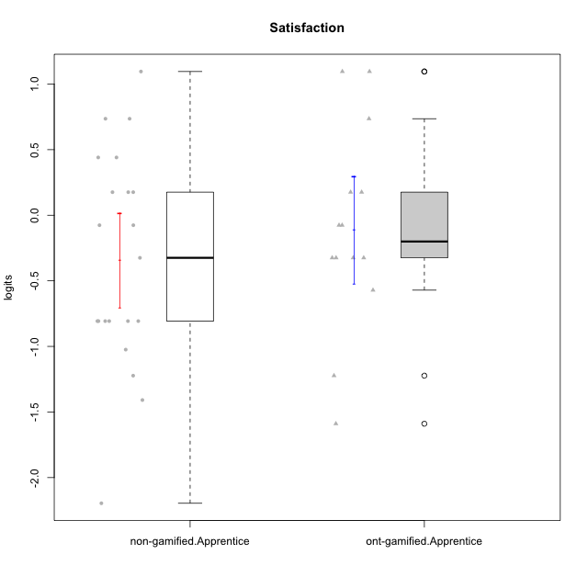



Student's t-Test data
UserID | NroUSP | Type | CLGroup | CLRole | PlayerRole | Satisfaction | error | WLE.rel
10169 | 10377538 | non-gamified | Grupo Team 10 | Apprentice |  | -0.80711445064 | 0.47336422487 | 0.68918373895
10170 | 10260351 | non-gamified | Grupo Team 6 | Apprentice |  | 0.44052628594 | 0.54816859364 | 0.68918373895
10174 | 10276852 | non-gamified | Grupo Team 1 | Apprentice |  | -0.80711445064 | 0.47336422487 | 0.68918373895
10176 | 10276949 | non-gamified | Grupo Team 9 | Apprentice |  | -0.80711445064 | 0.47336422487 | 0.68918373895
10178 | 8656201 | non-gamified | Grupo Team 11 | Apprentice |  | -0.076047710592 | 0.50758232207 | 0.68918373895
10179 | 10310759 | ont-gamified | Grupo Tosskor | Apprentice | Yee Achiever | 0.1758193737 | 0.52276838566 | 0.68918373895
10181 | 10276866 | non-gamified | Grupo Team 7 | Apprentice |  | -1.0243944378 | 0.46051209227 | 0.68918373895
10183 | 10352030 | non-gamified | Grupo Belos | Apprentice | Yee Socializer | -0.80711445064 | 0.47336422487 | 0.68918373895
10186 | 10310551 | non-gamified | Grupo Team 5 | Apprentice |  | 0.44052628594 | 0.54816859364 | 0.68918373895
10187 | 9790781 | ont-gamified | Grupo Razorg | Apprentice | Yee Achiever | -0.32463380358 | 0.49696856271 | 0.68918373895
10189 | 9363926 | non-gamified | Grupo Team 2 | Apprentice |  | -2.1957042986 | 0.54434901651 | 0.68918373895
10190 | 10276907 | non-gamified | Grupo Team 8 | Apprentice |  | 0.73574069598 | 0.59188550545 | 0.68918373895
10191 | 10276981 | ont-gamified | Grupo Yeka | Apprentice | Yee Socializer | 1.0956641887 | 0.67076204469 | 0.68918373895
10196 | 10310655 | non-gamified | Grupo Team 5 | Apprentice |  | -1.2229836458 | 0.45108481277 | 0.68918373895
10200 | 9795272 | non-gamified | Grupo Team 4 | Apprentice |  | -0.076047710592 | 0.50758232207 | 0.68918373895
10202 | 10277036 | ont-gamified | Grupo Paldira | Apprentice | Yee Achiever | -0.076047710592 | 0.50758232207 | 0.68918373895
10210 | 10277015 | ont-gamified | Grupo Losvakai | Apprentice | Yee Achiever | -1.2229836458 | 0.45108481277 | 0.68918373895
10212 | 9065750 | ont-gamified | Grupo Ellaru | Apprentice | Yee Socializer | -0.32463380358 | 0.49696856271 | 0.68918373895
10214 | 10277022 | ont-gamified | Grupo Koil | Apprentice | Yee Achiever | -0.32463380358 | 0.49696856271 | 0.68918373895
10215 | 9285227 | non-gamified | Grupo Team 7 | Apprentice |  | 0.1758193737 | 0.52276838566 | 0.68918373895
10218 | 9842913 | non-gamified | Grupo Team 10 | Apprentice |  | 1.0956641887 | 0.67076204469 | 0.68918373895
10219 | 10276831 | ont-gamified | Grupo Razorg | Apprentice | Yee Achiever | -1.5892360279 | 0.45129686392 | 0.68918373895
10221 | 9082496 | non-gamified | Grupo Team 3 | Apprentice |  | 0.1758193737 | 0.52276838566 | 0.68918373895
10224 | 9368772 | non-gamified | Grupo Team 9 | Apprentice |  | 0.1758193737 | 0.52276838566 | 0.68918373895
10226 | 10310342 | ont-gamified | Grupo Yeka | Apprentice | Yee Socializer | 0.73574069598 | 0.59188550545 | 0.68918373895
10227 | 9274382 | non-gamified | Grupo Team 2 | Apprentice |  | 0.73574069598 | 0.59188550545 | 0.68918373895
10228 | 10310492 | ont-gamified | Grupo Losvakai | Apprentice | Yee Achiever | -0.57103884373 | 0.48622756286 | 0.68918373895
10230 | 10351992 | ont-gamified | Grupo Koil | Apprentice | Yee Achiever | 1.0956641887 | 0.67076204469 | 0.68918373895
10232 | 10276974 | non-gamified | Grupo Team 3 | Apprentice |  | -0.32463380358 | 0.49696856271 | 0.68918373895
10233 | 9805320 | ont-gamified | Grupo Tosskor | Apprentice | Yee Achiever | -0.32463380358 | 0.49696856271 | 0.68918373895
10234 | 10310676 | non-gamified | Grupo Team 6 | Apprentice |  | -0.80711445064 | 0.47336422487 | 0.68918373895
10237 | 10377688 | ont-gamified | Grupo Ellaru | Apprentice | Yee Socializer | -0.076047710592 | 0.50758232207 | 0.68918373895
10238 | 10276953 | ont-gamified | Grupo Belos | Apprentice | Yee Socializer | 0.1758193737 | 0.52276838566 | 0.68918373895
10240 | 10276654 | non-gamified | Grupo Team 8 | Apprentice |  | -1.408809308 | 0.44744004824 | 0.68918373895
10242 | 9424506 | non-gamified | Grupo Team 11 | Apprentice |  | -0.80711445064 | 0.47336422487 | 0.68918373895

Type_CLRole_3
Student's t-Test for Satisfaction in Type:CLRole between non-gamified.Apprentice:ont-gamified.Master

Student's t-Test results
Alternative hypothesis: less
Group | N | Mean | Mean.Difference | Std.deviation | Std.error | CI.lower | CI.upper | df | t.value | p.value | g | magnitude
non-gamified.Apprentice | 21 | -0.34265006405 | -0.07170871484 | 0.82688791762 | 0.18044173684 | -0.70353353774 | 0.018233409638 | 10.235906853 | -0.19725414818 | 0.42374531005 | -0.084004975703 | negligible
ont-gamified.Master | 7 | -0.27094134921 | 0.07170871484 | 0.83497752974 | 0.315591842 | -0.90212503322 | 0.3602423348 | 10.235906853 | -0.19725414818 | 0.42374531005 | -0.084004975703 | negligible
Alternative hypothesis: greater
Group | N | Mean | Mean.Difference | Std.deviation | Std.error | CI.lower | CI.upper | df | t.value | p.value | g | magnitude
non-gamified.Apprentice | 21 | -0.34265006405 | -0.07170871484 | 0.82688791762 | 0.18044173684 | -0.70353353774 | 0.018233409638 | 10.235906853 | -0.19725414818 | 0.57625468995 | -0.084004975703 | negligible
ont-gamified.Master | 7 | -0.27094134921 | 0.07170871484 | 0.83497752974 | 0.315591842 | -0.90212503322 | 0.3602423348 | 10.235906853 | -0.19725414818 | 0.57625468995 | -0.084004975703 | negligible
Alternative hypothesis: two.sided
Group | N | Mean | Mean.Difference | Std.deviation | Std.error | CI.lower | CI.upper | df | t.value | p.value | g | magnitude
non-gamified.Apprentice | 21 | -0.34265006405 | -0.07170871484 | 0.82688791762 | 0.18044173684 | -0.70353353774 | 0.018233409638 | 10.235906853 | -0.19725414818 | 0.84749062011 | -0.084004975703 | negligible
ont-gamified.Master | 7 | -0.27094134921 | 0.07170871484 | 0.83497752974 | 0.315591842 | -0.90212503322 | 0.3602423348 | 10.235906853 | -0.19725414818 | 0.84749062011 | -0.084004975703 | negligible

Box plots for Student's t-Test
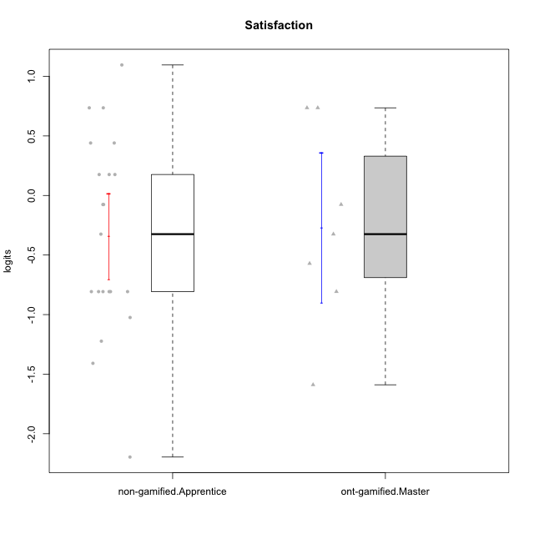



Student's t-Test data
UserID | NroUSP | Type | CLGroup | CLRole | PlayerRole | Satisfaction | error | WLE.rel
10169 | 10377538 | non-gamified | Grupo Team 10 | Apprentice |  | -0.80711445064 | 0.47336422487 | 0.68918373895
10170 | 10260351 | non-gamified | Grupo Team 6 | Apprentice |  | 0.44052628594 | 0.54816859364 | 0.68918373895
10171 | 698531 | ont-gamified | Grupo Losvakai | Master | Yee Achiever | 0.73574069598 | 0.59188550545 | 0.68918373895
10172 | 10273971 | ont-gamified | Grupo Koil | Master | Yee Achiever | -0.076047710592 | 0.50758232207 | 0.68918373895
10174 | 10276852 | non-gamified | Grupo Team 1 | Apprentice |  | -0.80711445064 | 0.47336422487 | 0.68918373895
10176 | 10276949 | non-gamified | Grupo Team 9 | Apprentice |  | -0.80711445064 | 0.47336422487 | 0.68918373895
10178 | 8656201 | non-gamified | Grupo Team 11 | Apprentice |  | -0.076047710592 | 0.50758232207 | 0.68918373895
10181 | 10276866 | non-gamified | Grupo Team 7 | Apprentice |  | -1.0243944378 | 0.46051209227 | 0.68918373895
10183 | 10352030 | non-gamified | Grupo Belos | Apprentice | Yee Socializer | -0.80711445064 | 0.47336422487 | 0.68918373895
10185 | 10276960 | ont-gamified | Grupo Tosskor | Master | Yee Achiever | -0.80711445064 | 0.47336422487 | 0.68918373895
10186 | 10310551 | non-gamified | Grupo Team 5 | Apprentice |  | 0.44052628594 | 0.54816859364 | 0.68918373895
10188 | 10276995 | ont-gamified | Grupo Paldira | Master | Yee Achiever | -0.57103884373 | 0.48622756286 | 0.68918373895
10189 | 9363926 | non-gamified | Grupo Team 2 | Apprentice |  | -2.1957042986 | 0.54434901651 | 0.68918373895
10190 | 10276907 | non-gamified | Grupo Team 8 | Apprentice |  | 0.73574069598 | 0.59188550545 | 0.68918373895
10196 | 10310655 | non-gamified | Grupo Team 5 | Apprentice |  | -1.2229836458 | 0.45108481277 | 0.68918373895
10200 | 9795272 | non-gamified | Grupo Team 4 | Apprentice |  | -0.076047710592 | 0.50758232207 | 0.68918373895
10208 | 10276932 | ont-gamified | Grupo Yeka | Master | Yee Socializer | -0.32463380358 | 0.49696856271 | 0.68918373895
10211 | 9311643 | ont-gamified | Grupo Razorg | Master | Yee Achiever | -1.5892360279 | 0.45129686392 | 0.68918373895
10215 | 9285227 | non-gamified | Grupo Team 7 | Apprentice |  | 0.1758193737 | 0.52276838566 | 0.68918373895
10217 | 9805341 | ont-gamified | Grupo Belos | Master | Yee Socializer | 0.73574069598 | 0.59188550545 | 0.68918373895
10218 | 9842913 | non-gamified | Grupo Team 10 | Apprentice |  | 1.0956641887 | 0.67076204469 | 0.68918373895
10221 | 9082496 | non-gamified | Grupo Team 3 | Apprentice |  | 0.1758193737 | 0.52276838566 | 0.68918373895
10224 | 9368772 | non-gamified | Grupo Team 9 | Apprentice |  | 0.1758193737 | 0.52276838566 | 0.68918373895
10227 | 9274382 | non-gamified | Grupo Team 2 | Apprentice |  | 0.73574069598 | 0.59188550545 | 0.68918373895
10232 | 10276974 | non-gamified | Grupo Team 3 | Apprentice |  | -0.32463380358 | 0.49696856271 | 0.68918373895
10234 | 10310676 | non-gamified | Grupo Team 6 | Apprentice |  | -0.80711445064 | 0.47336422487 | 0.68918373895
10240 | 10276654 | non-gamified | Grupo Team 8 | Apprentice |  | -1.408809308 | 0.44744004824 | 0.68918373895
10242 | 9424506 | non-gamified | Grupo Team 11 | Apprentice |  | -0.80711445064 | 0.47336422487 | 0.68918373895

Type_CLRole_4
Student's t-Test for Satisfaction in Type:CLRole between non-gamified.Master:ont-gamified.Apprentice

Student's t-Test results
Alternative hypothesis: less
Group | N | Mean | Mean.Difference | Std.deviation | Std.error | CI.lower | CI.upper | df | t.value | p.value | g | magnitude
non-gamified.Master | 9 | -0.086955228264 | 0.024129152602 | 1.0342198104 | 0.34473993681 | -0.77643510188 | 0.60252464535 | 13.585992053 | 0.060197112686 | 0.52356241544 | 0.026504820924 | negligible
ont-gamified.Apprentice | 14 | -0.11108438087 | -0.024129152602 | 0.76519999372 | 0.20450830063 | -0.52010098213 | 0.2979322204 | 13.585992053 | 0.060197112686 | 0.52356241544 | 0.026504820924 | negligible
Alternative hypothesis: greater
Group | N | Mean | Mean.Difference | Std.deviation | Std.error | CI.lower | CI.upper | df | t.value | p.value | g | magnitude
non-gamified.Master | 9 | -0.086955228264 | 0.024129152602 | 1.0342198104 | 0.34473993681 | -0.77643510188 | 0.60252464535 | 13.585992053 | 0.060197112686 | 0.47643758456 | 0.026504820924 | negligible
ont-gamified.Apprentice | 14 | -0.11108438087 | -0.024129152602 | 0.76519999372 | 0.20450830063 | -0.52010098213 | 0.2979322204 | 13.585992053 | 0.060197112686 | 0.47643758456 | 0.026504820924 | negligible
Alternative hypothesis: two.sided
Group | N | Mean | Mean.Difference | Std.deviation | Std.error | CI.lower | CI.upper | df | t.value | p.value | g | magnitude
non-gamified.Master | 9 | -0.086955228264 | 0.024129152602 | 1.0342198104 | 0.34473993681 | -0.77643510188 | 0.60252464535 | 13.585992053 | 0.060197112686 | 0.95287516912 | 0.026504820924 | negligible
ont-gamified.Apprentice | 14 | -0.11108438087 | -0.024129152602 | 0.76519999372 | 0.20450830063 | -0.52010098213 | 0.2979322204 | 13.585992053 | 0.060197112686 | 0.95287516912 | 0.026504820924 | negligible

Box plots for Student's t-Test
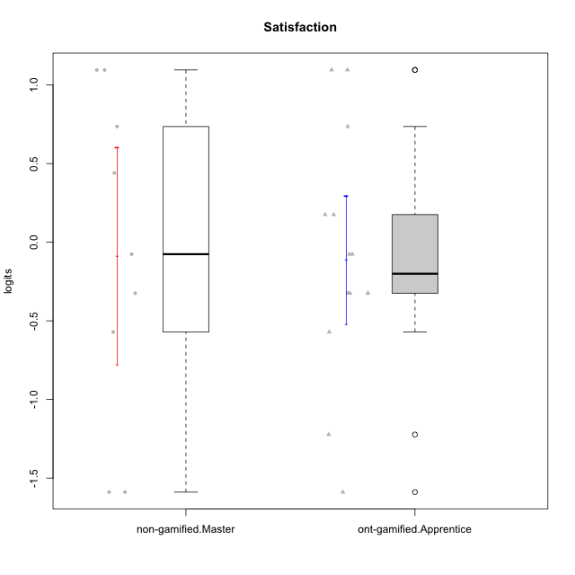

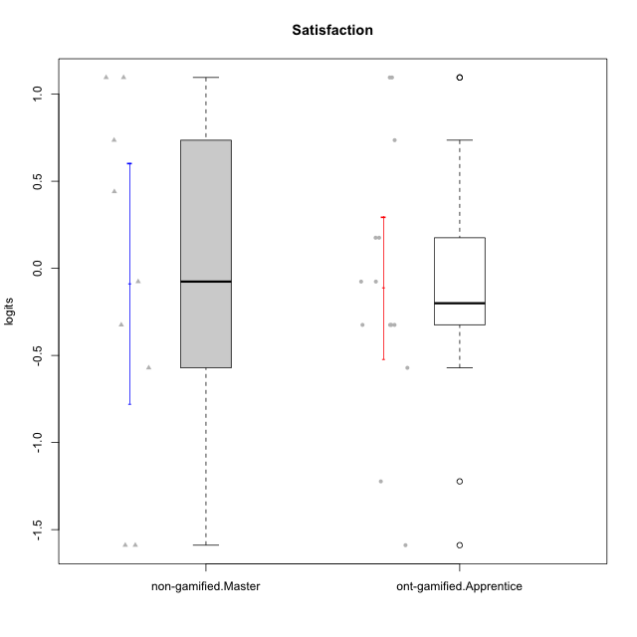

Student's t-Test data
UserID | NroUSP | Type | CLGroup | CLRole | PlayerRole | Satisfaction | error | WLE.rel
10179 | 10310759 | ont-gamified | Grupo Tosskor | Apprentice | Yee Achiever | 0.1758193737 | 0.52276838566 | 0.68918373895
10184 | 10276675 | non-gamified | Grupo Team 7 | Master |  | 1.0956641887 | 0.67076204469 | 0.68918373895
10187 | 9790781 | ont-gamified | Grupo Razorg | Apprentice | Yee Achiever | -0.32463380358 | 0.49696856271 | 0.68918373895
10191 | 10276981 | ont-gamified | Grupo Yeka | Apprentice | Yee Socializer | 1.0956641887 | 0.67076204469 | 0.68918373895
10193 | 10276762 | non-gamified | Grupo Team 2 | Master |  | -1.5892360279 | 0.45129686392 | 0.68918373895
10197 | 10276661 | non-gamified | Grupo Team 11 | Master |  | -0.57103884373 | 0.48622756286 | 0.68918373895
10201 | 10276928 | non-gamified | Grupo Team 10 | Master |  | 0.73574069598 | 0.59188550545 | 0.68918373895
10202 | 10277036 | ont-gamified | Grupo Paldira | Apprentice | Yee Achiever | -0.076047710592 | 0.50758232207 | 0.68918373895
10204 | 10310471 | non-gamified | Grupo Team 5 | Master |  | 1.0956641887 | 0.67076204469 | 0.68918373895
10206 | 10310721 | non-gamified | Grupo Team 9 | Master |  | -0.076047710592 | 0.50758232207 | 0.68918373895
10210 | 10277015 | ont-gamified | Grupo Losvakai | Apprentice | Yee Achiever | -1.2229836458 | 0.45108481277 | 0.68918373895
10212 | 9065750 | ont-gamified | Grupo Ellaru | Apprentice | Yee Socializer | -0.32463380358 | 0.49696856271 | 0.68918373895
10213 | 10277040 | non-gamified | Grupo Team 8 | Master |  | 0.44052628594 | 0.54816859364 | 0.68918373895
10214 | 10277022 | ont-gamified | Grupo Koil | Apprentice | Yee Achiever | -0.32463380358 | 0.49696856271 | 0.68918373895
10219 | 10276831 | ont-gamified | Grupo Razorg | Apprentice | Yee Achiever | -1.5892360279 | 0.45129686392 | 0.68918373895
10223 | 9795185 | non-gamified | Grupo Team 3 | Master |  | -1.5892360279 | 0.45129686392 | 0.68918373895
10226 | 10310342 | ont-gamified | Grupo Yeka | Apprentice | Yee Socializer | 0.73574069598 | 0.59188550545 | 0.68918373895
10228 | 10310492 | ont-gamified | Grupo Losvakai | Apprentice | Yee Achiever | -0.57103884373 | 0.48622756286 | 0.68918373895
10230 | 10351992 | ont-gamified | Grupo Koil | Apprentice | Yee Achiever | 1.0956641887 | 0.67076204469 | 0.68918373895
10231 | 10276911 | non-gamified | Grupo Team 4 | Master |  | -0.32463380358 | 0.49696856271 | 0.68918373895
10233 | 9805320 | ont-gamified | Grupo Tosskor | Apprentice | Yee Achiever | -0.32463380358 | 0.49696856271 | 0.68918373895
10237 | 10377688 | ont-gamified | Grupo Ellaru | Apprentice | Yee Socializer | -0.076047710592 | 0.50758232207 | 0.68918373895
10238 | 10276953 | ont-gamified | Grupo Belos | Apprentice | Yee Socializer | 0.1758193737 | 0.52276838566 | 0.68918373895

Type_CLRole_5
Student's t-Test for Satisfaction in Type:CLRole between non-gamified.Master:ont-gamified.Master

Student's t-Test results
Alternative hypothesis: less
Group | N | Mean | Mean.Difference | Std.deviation | Std.error | CI.lower | CI.upper | df | t.value | p.value | g | magnitude
non-gamified.Master | 9 | -0.086955228264 | 0.18398612095 | 1.0342198104 | 0.34473993681 | -0.77643510188 | 0.60252464535 | 13.9572973 | 0.39365445173 | 0.65010789031 | 0.18234961653 | negligible
ont-gamified.Master | 7 | -0.27094134921 | -0.18398612095 | 0.83497752974 | 0.315591842 | -0.90212503322 | 0.3602423348 | 13.9572973 | 0.39365445173 | 0.65010789031 | 0.18234961653 | negligible
Alternative hypothesis: greater
Group | N | Mean | Mean.Difference | Std.deviation | Std.error | CI.lower | CI.upper | df | t.value | p.value | g | magnitude
non-gamified.Master | 9 | -0.086955228264 | 0.18398612095 | 1.0342198104 | 0.34473993681 | -0.77643510188 | 0.60252464535 | 13.9572973 | 0.39365445173 | 0.34989210969 | 0.18234961653 | negligible
ont-gamified.Master | 7 | -0.27094134921 | -0.18398612095 | 0.83497752974 | 0.315591842 | -0.90212503322 | 0.3602423348 | 13.9572973 | 0.39365445173 | 0.34989210969 | 0.18234961653 | negligible
Alternative hypothesis: two.sided
Group | N | Mean | Mean.Difference | Std.deviation | Std.error | CI.lower | CI.upper | df | t.value | p.value | g | magnitude
non-gamified.Master | 9 | -0.086955228264 | 0.18398612095 | 1.0342198104 | 0.34473993681 | -0.77643510188 | 0.60252464535 | 13.9572973 | 0.39365445173 | 0.69978421939 | 0.18234961653 | negligible
ont-gamified.Master | 7 | -0.27094134921 | -0.18398612095 | 0.83497752974 | 0.315591842 | -0.90212503322 | 0.3602423348 | 13.9572973 | 0.39365445173 | 0.69978421939 | 0.18234961653 | negligible

Box plots for Student's t-Test
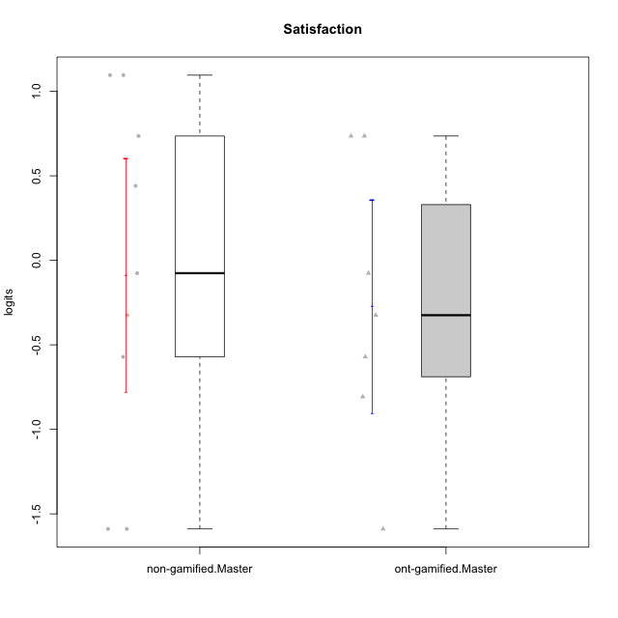

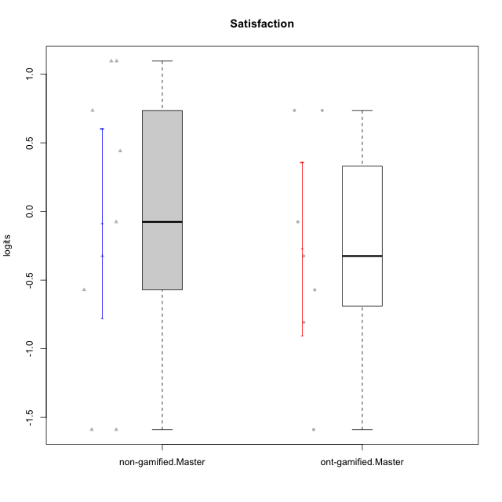

Student's t-Test data
UserID | NroUSP | Type | CLGroup | CLRole | PlayerRole | Satisfaction | error | WLE.rel
10171 | 698531 | ont-gamified | Grupo Losvakai | Master | Yee Achiever | 0.73574069598 | 0.59188550545 | 0.68918373895
10172 | 10273971 | ont-gamified | Grupo Koil | Master | Yee Achiever | -0.076047710592 | 0.50758232207 | 0.68918373895
10184 | 10276675 | non-gamified | Grupo Team 7 | Master |  | 1.0956641887 | 0.67076204469 | 0.68918373895
10185 | 10276960 | ont-gamified | Grupo Tosskor | Master | Yee Achiever | -0.80711445064 | 0.47336422487 | 0.68918373895
10188 | 10276995 | ont-gamified | Grupo Paldira | Master | Yee Achiever | -0.57103884373 | 0.48622756286 | 0.68918373895
10193 | 10276762 | non-gamified | Grupo Team 2 | Master |  | -1.5892360279 | 0.45129686392 | 0.68918373895
10197 | 10276661 | non-gamified | Grupo Team 11 | Master |  | -0.57103884373 | 0.48622756286 | 0.68918373895
10201 | 10276928 | non-gamified | Grupo Team 10 | Master |  | 0.73574069598 | 0.59188550545 | 0.68918373895
10204 | 10310471 | non-gamified | Grupo Team 5 | Master |  | 1.0956641887 | 0.67076204469 | 0.68918373895
10206 | 10310721 | non-gamified | Grupo Team 9 | Master |  | -0.076047710592 | 0.50758232207 | 0.68918373895
10208 | 10276932 | ont-gamified | Grupo Yeka | Master | Yee Socializer | -0.32463380358 | 0.49696856271 | 0.68918373895
10211 | 9311643 | ont-gamified | Grupo Razorg | Master | Yee Achiever | -1.5892360279 | 0.45129686392 | 0.68918373895
10213 | 10277040 | non-gamified | Grupo Team 8 | Master |  | 0.44052628594 | 0.54816859364 | 0.68918373895
10217 | 9805341 | ont-gamified | Grupo Belos | Master | Yee Socializer | 0.73574069598 | 0.59188550545 | 0.68918373895
10223 | 9795185 | non-gamified | Grupo Team 3 | Master |  | -1.5892360279 | 0.45129686392 | 0.68918373895
10231 | 10276911 | non-gamified | Grupo Team 4 | Master |  | -0.32463380358 | 0.49696856271 | 0.68918373895

Type_CLRole_6
Student's t-Test for Satisfaction in Type:CLRole between ont-gamified.Apprentice:ont-gamified.Master

Student's t-Test results
Alternative hypothesis: less
Group | N | Mean | Mean.Difference | Std.deviation | Std.error | CI.lower | CI.upper | df | t.value | p.value | g | magnitude
ont-gamified.Apprentice | 14 | -0.11108438087 | 0.15985696834 | 0.76519999372 | 0.20450830063 | -0.52010098213 | 0.2979322204 | 11.186663708 | 0.42508257868 | 0.66058094845 | 0.19477360982 | negligible
ont-gamified.Master | 7 | -0.27094134921 | -0.15985696834 | 0.83497752974 | 0.315591842 | -0.90212503322 | 0.3602423348 | 11.186663708 | 0.42508257868 | 0.66058094845 | 0.19477360982 | negligible
Alternative hypothesis: greater
Group | N | Mean | Mean.Difference | Std.deviation | Std.error | CI.lower | CI.upper | df | t.value | p.value | g | magnitude
ont-gamified.Apprentice | 14 | -0.11108438087 | 0.15985696834 | 0.76519999372 | 0.20450830063 | -0.52010098213 | 0.2979322204 | 11.186663708 | 0.42508257868 | 0.33941905155 | 0.19477360982 | negligible
ont-gamified.Master | 7 | -0.27094134921 | -0.15985696834 | 0.83497752974 | 0.315591842 | -0.90212503322 | 0.3602423348 | 11.186663708 | 0.42508257868 | 0.33941905155 | 0.19477360982 | negligible
Alternative hypothesis: two.sided
Group | N | Mean | Mean.Difference | Std.deviation | Std.error | CI.lower | CI.upper | df | t.value | p.value | g | magnitude
ont-gamified.Apprentice | 14 | -0.11108438087 | 0.15985696834 | 0.76519999372 | 0.20450830063 | -0.52010098213 | 0.2979322204 | 11.186663708 | 0.42508257868 | 0.67883810311 | 0.19477360982 | negligible
ont-gamified.Master | 7 | -0.27094134921 | -0.15985696834 | 0.83497752974 | 0.315591842 | -0.90212503322 | 0.3602423348 | 11.186663708 | 0.42508257868 | 0.67883810311 | 0.19477360982 | negligible

Box plots for Student's t-Test
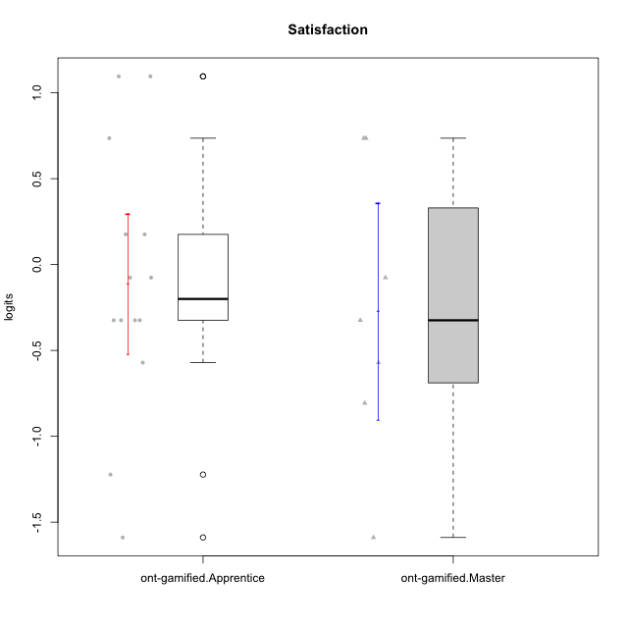

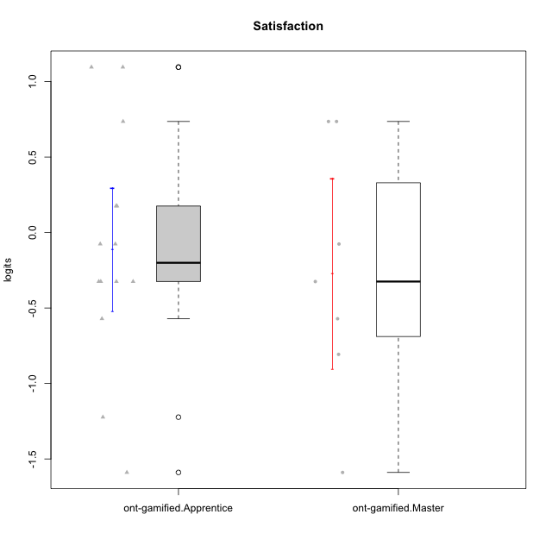

Student's t-Test data
UserID | NroUSP | Type | CLGroup | CLRole | PlayerRole | Satisfaction | error | WLE.rel
10171 | 698531 | ont-gamified | Grupo Losvakai | Master | Yee Achiever | 0.73574069598 | 0.59188550545 | 0.68918373895
10172 | 10273971 | ont-gamified | Grupo Koil | Master | Yee Achiever | -0.076047710592 | 0.50758232207 | 0.68918373895
10179 | 10310759 | ont-gamified | Grupo Tosskor | Apprentice | Yee Achiever | 0.1758193737 | 0.52276838566 | 0.68918373895
10185 | 10276960 | ont-gamified | Grupo Tosskor | Master | Yee Achiever | -0.80711445064 | 0.47336422487 | 0.68918373895
10187 | 9790781 | ont-gamified | Grupo Razorg | Apprentice | Yee Achiever | -0.32463380358 | 0.49696856271 | 0.68918373895
10188 | 10276995 | ont-gamified | Grupo Paldira | Master | Yee Achiever | -0.57103884373 | 0.48622756286 | 0.68918373895
10191 | 10276981 | ont-gamified | Grupo Yeka | Apprentice | Yee Socializer | 1.0956641887 | 0.67076204469 | 0.68918373895
10202 | 10277036 | ont-gamified | Grupo Paldira | Apprentice | Yee Achiever | -0.076047710592 | 0.50758232207 | 0.68918373895
10208 | 10276932 | ont-gamified | Grupo Yeka | Master | Yee Socializer | -0.32463380358 | 0.49696856271 | 0.68918373895
10210 | 10277015 | ont-gamified | Grupo Losvakai | Apprentice | Yee Achiever | -1.2229836458 | 0.45108481277 | 0.68918373895
10211 | 9311643 | ont-gamified | Grupo Razorg | Master | Yee Achiever | -1.5892360279 | 0.45129686392 | 0.68918373895
10212 | 9065750 | ont-gamified | Grupo Ellaru | Apprentice | Yee Socializer | -0.32463380358 | 0.49696856271 | 0.68918373895
10214 | 10277022 | ont-gamified | Grupo Koil | Apprentice | Yee Achiever | -0.32463380358 | 0.49696856271 | 0.68918373895
10217 | 9805341 | ont-gamified | Grupo Belos | Master | Yee Socializer | 0.73574069598 | 0.59188550545 | 0.68918373895
10219 | 10276831 | ont-gamified | Grupo Razorg | Apprentice | Yee Achiever | -1.5892360279 | 0.45129686392 | 0.68918373895
10226 | 10310342 | ont-gamified | Grupo Yeka | Apprentice | Yee Socializer | 0.73574069598 | 0.59188550545 | 0.68918373895
10228 | 10310492 | ont-gamified | Grupo Losvakai | Apprentice | Yee Achiever | -0.57103884373 | 0.48622756286 | 0.68918373895
10230 | 10351992 | ont-gamified | Grupo Koil | Apprentice | Yee Achiever | 1.0956641887 | 0.67076204469 | 0.68918373895
10233 | 9805320 | ont-gamified | Grupo Tosskor | Apprentice | Yee Achiever | -0.32463380358 | 0.49696856271 | 0.68918373895
10237 | 10377688 | ont-gamified | Grupo Ellaru | Apprentice | Yee Socializer | -0.076047710592 | 0.50758232207 | 0.68918373895
10238 | 10276953 | ont-gamified | Grupo Belos | Apprentice | Yee Socializer | 0.1758193737 | 0.52276838566 | 0.68918373895

