Assumptions
ANOVA assumptions for Difference of Programming Skill - Recursion

Shapiro-Wilk normality test for Difference of Programming Skill - Recursion
W | p.value
0.97728459933 | 0.5286571595

Plots for normality test
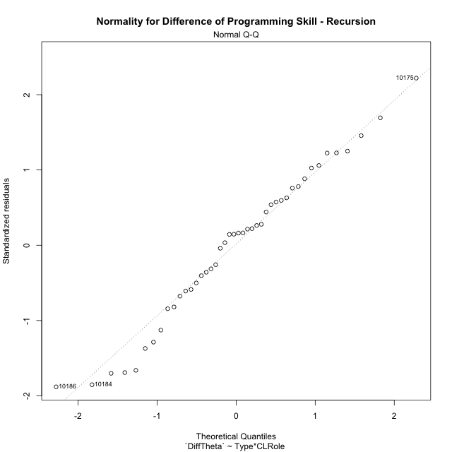

Levene's Test for Homogeneity of Variance in Difference of Programming Skill - Recursion
Df | F value | Pr(>F)
3 | 0.70984628498 | 0.55184337209
40

Plots for homogeneity of variance
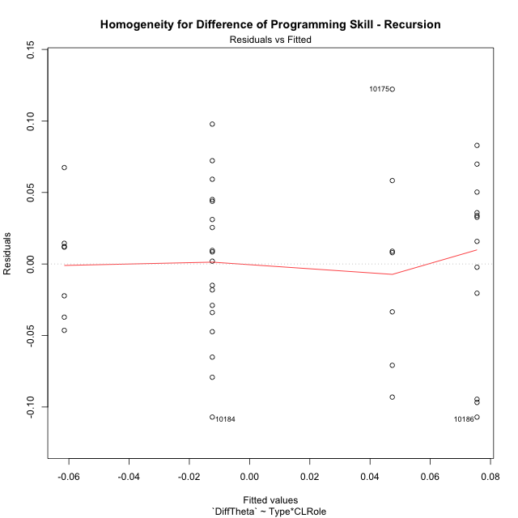

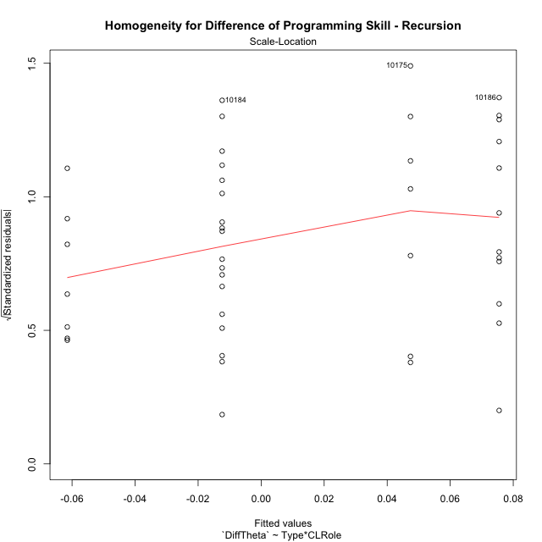

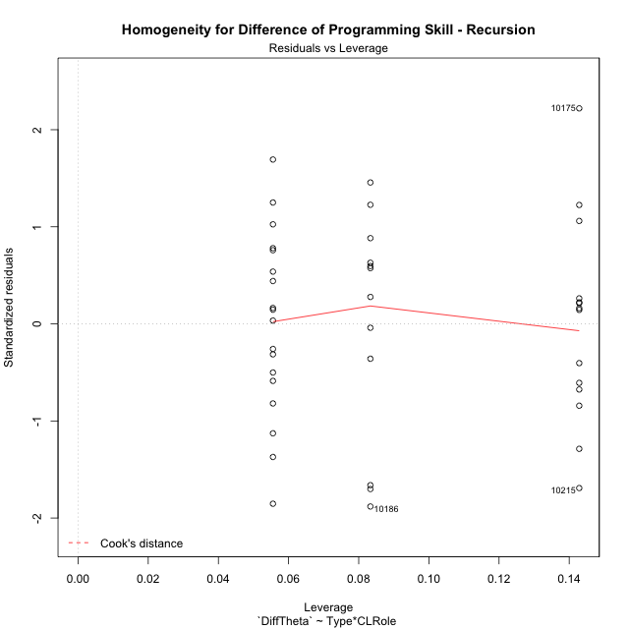

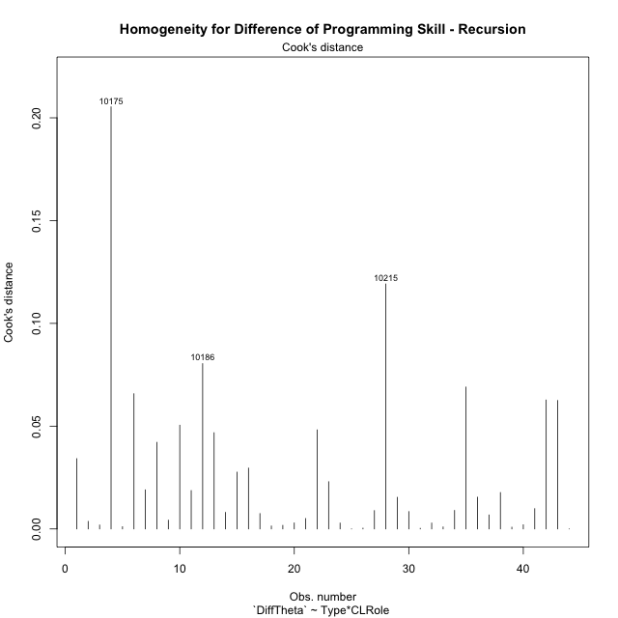

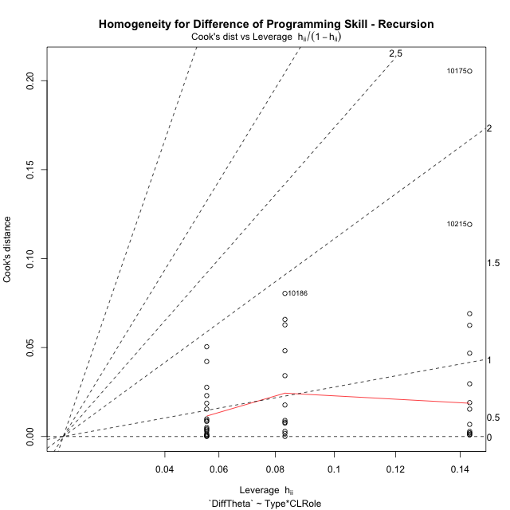

Minimum Sample Size Test for Difference of Programming Skill - Recursion
Type | CLRole | Freq
ont-gamified | Apprentice | 12
w/o-gamified | Apprentice | 18
ont-gamified | Master | 7
w/o-gamified | Master | 7

Errors and Warnings in Sample Size Test for ANOVA in Difference of Programming Skill - Recursion
code | description
WARN: sample.size | current.size is = 12 and recommended.size must be = 15 for the group: 'ont-gamified:Apprentice'. Size sample for parametric test isn't recomended
WARN: sample.size | current.size is = 7 and recommended.size must be = 15 for the group: 'ont-gamified:Master'. Size sample for parametric test isn't recomended
WARN: sample.size | current.size is = 7 and recommended.size must be = 15 for the group: 'w/o-gamified:Master'. Size sample for parametric test isn't recomended

For the group: 'ont-gamified:Apprentice', we recommend the use of non parametric test. For the group: 'w/o-gamified:Apprentice', you can perform a parametric test with a non-normal distribution For the group: 'ont-gamified:Master', we recommend the use of non parametric test. For the group: 'w/o-gamified:Master', we recommend the use of non parametric test.

If you don't want to remove non-normal data, you must cite the following references: ... (1) Lix, L.M., J.C. Keselman, and H.J. Keselman. 1996. Consequences of assumption violations revisited: A quantitative review of alternatives to the one-way analysis of variance F test. Rev. Educ. Res. 66: 579-619. ... (2) Harwell, M.R., E.N. Rubinstein, W.S. Hayes, and C.C. Olds. 1992. Summarizing Monte Carlo results in methodological research: the one- and two-factor fixed effects ANOVA cases. J. Educ. Stat. 17: 315-339.

Post-hoc
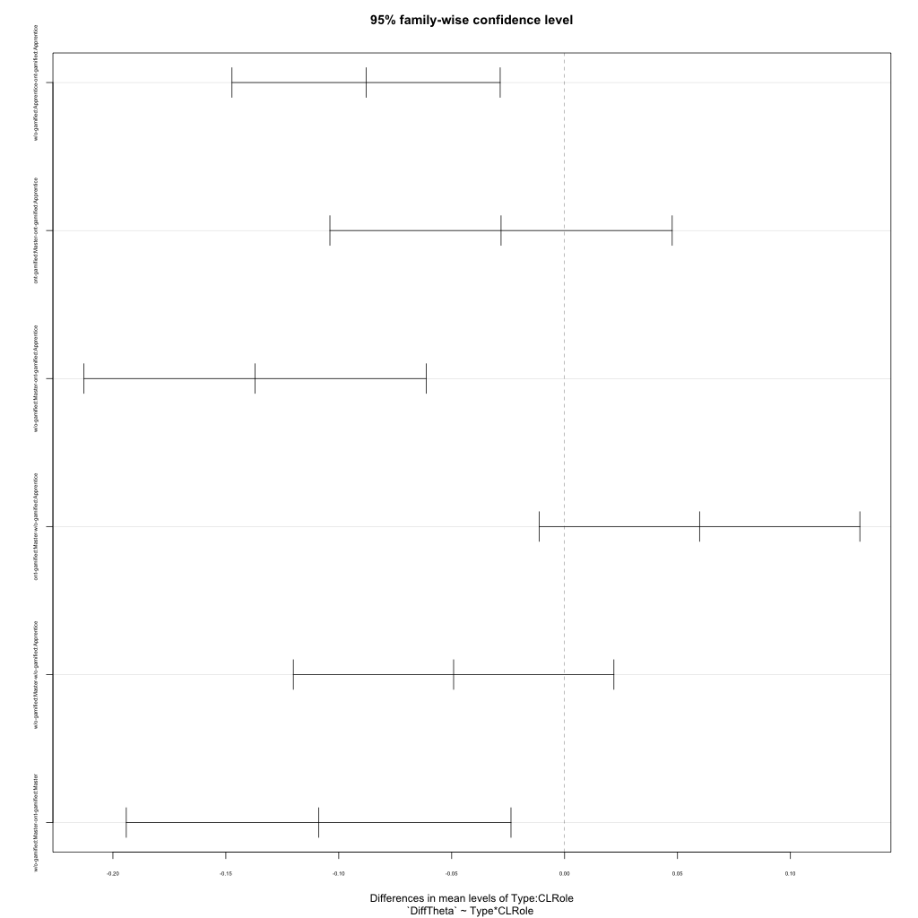
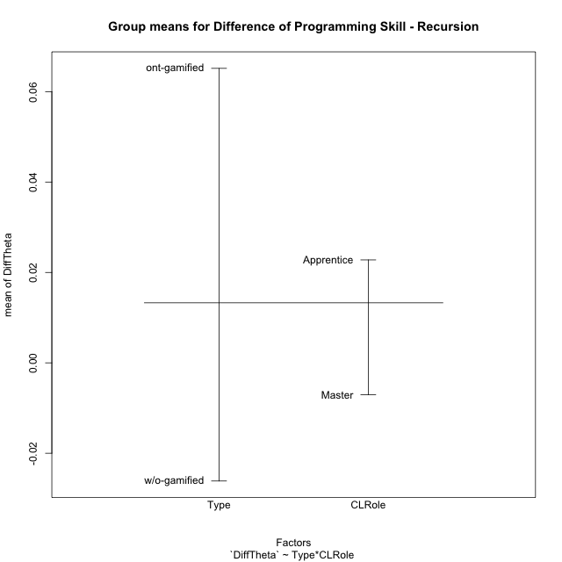
Post-hoc Tukey Honestly Significant Difference (HSD) Test for Difference of Programming Skill - Recursion

Comparisons of means for Type
 | diff | lwr | upr | p adj
w/o-gamified-ont-gamified | -0.091293661271 | -0.12786083571 | -0.05472648683 | 1.0230302483E-05

Comparisons of means for CLRole
 | diff | lwr | upr | p adj
Master-Apprentice | -0.038973512578 | -0.077861329471 | -8.5695684433E-05 | 0.049520868107

Comparisons of means for Type:CLRole
 | diff | lwr | upr | p adj
w/o-gamified:Apprentice-ont-gamified:Apprentice | -0.087897755503 | -0.14728126348 | -0.028514247527 | 0.0016091440271
ont-gamified:Master-ont-gamified:Apprentice | -0.028128467572 | -0.10391102458 | 0.047654089431 | 0.75314294333
w/o-gamified:Master-ont-gamified:Apprentice | -0.13703713193 | -0.21281968894 | -0.061254574929 | 0.00011002994316
ont-gamified:Master-w/o-gamified:Apprentice | 0.05976928793 | -0.011207579724 | 0.13074615559 | 0.12555952931
w/o-gamified:Master-w/o-gamified:Apprentice | -0.04913937643 | -0.12011624408 | 0.021837491225 | 0.26321916213
w/o-gamified:Master-ont-gamified:Master | -0.10890866436 | -0.19408090555 | -0.023736423174 | 0.0074722582499

Contrast Matrices for Difference of Programming Skill - Recursion - Type
contrast | estimate | SE | df | t.ratio | p.value
ont-gamified - w/o-gamified | 0.098403209931 | 0.019368276614 | 40 | 5.0806384012 | 9.1537588227E-06

Contrast Matrices for Difference of Programming Skill - Recursion - Type:CLRole
contrast | CLRole | estimate | SE | df | t.ratio | p.value
ont-gamified - w/o-gamified | Apprentice | 0.087897755503 | 0.02215455892 | 40 | 3.9674793717 | 0.00029323867404
ont-gamified - w/o-gamified | Master | 0.10890866436 | 0.031775715178 | 40 | 3.427418195 | 0.0014239942075

Least Squares Means and Confidence Intervals for Type
Type | lsmean | SE | df | lower.CL | upper.CL | Pairs
ont-gamified | 0.06145126045 | 0.014136324894 | 40 | 0.032880682096 | 0.090021838804 | ont-gamified
w/o-gamified | -0.036951949481 | 0.013239881324 | 40 | -0.063710747796 | -0.010193151167 | w/o-gamified

Least Squares Means and Confidence Intervals for Type:CLRole
Type | CLRole | lsmean | SE | df | lower.CL | upper.CL | Pairs
ont-gamified | Apprentice | 0.075515494236 | 0.017160847548 | 40 | 0.04083212758 | 0.11019886089 | ont-gamified.Apprentice
w/o-gamified | Apprentice | -0.012382261267 | 0.014011773349 | 40 | -0.040701111556 | 0.015936589023 | w/o-gamified.Apprentice
ont-gamified | Master | 0.047387026664 | 0.022468823679 | 40 | 0.0019758400763 | 0.092798213251 | ont-gamified.Master
w/o-gamified | Master | -0.061521637696 | 0.022468823679 | 40 | -0.10693282428 | -0.016110451109 | w/o-gamified.Master

Plots

Type_1
Student's t-Test for Difference of Programming Skill - Recursion in Type between ont-gamified:w/o-gamified

Student's t-Test results
Alternative hypothesis: less
Group | N | Mean | Mean.Difference | Std.deviation | Std.error | CI.lower | CI.upper | df | t.value | p.value | g | magnitude
ont-gamified | 19 | 0.065152374604 | 0.091293661271 | 0.068720374082 | 0.015765535052 | 0.0336213045 | 0.096683444708 | 33.690568278 | 4.755223757 | 0.99998186344 | 1.4662488146 | large
w/o-gamified | 25 | -0.026141286667 | -0.091293661271 | 0.054780089397 | 0.010956017879 | -0.048053322426 | -0.0042292509081 | 33.690568278 | 4.755223757 | 0.99998186344 | 1.4662488146 | large
Alternative hypothesis: greater
Group | N | Mean | Mean.Difference | Std.deviation | Std.error | CI.lower | CI.upper | df | t.value | p.value | g | magnitude
ont-gamified | 19 | 0.065152374604 | 0.091293661271 | 0.068720374082 | 0.015765535052 | 0.0336213045 | 0.096683444708 | 33.690568278 | 4.755223757 | 1.8136563117E-05 | 1.4662488146 | large
w/o-gamified | 25 | -0.026141286667 | -0.091293661271 | 0.054780089397 | 0.010956017879 | -0.048053322426 | -0.0042292509081 | 33.690568278 | 4.755223757 | 1.8136563117E-05 | 1.4662488146 | large
Alternative hypothesis: two.sided
Group | N | Mean | Mean.Difference | Std.deviation | Std.error | CI.lower | CI.upper | df | t.value | p.value | g | magnitude
ont-gamified | 19 | 0.065152374604 | 0.091293661271 | 0.068720374082 | 0.015765535052 | 0.0336213045 | 0.096683444708 | 33.690568278 | 4.755223757 | 3.6273126234E-05 | 1.4662488146 | large
w/o-gamified | 25 | -0.026141286667 | -0.091293661271 | 0.054780089397 | 0.010956017879 | -0.048053322426 | -0.0042292509081 | 33.690568278 | 4.755223757 | 3.6273126234E-05 | 1.4662488146 | large

Box plots for Student's t-Test
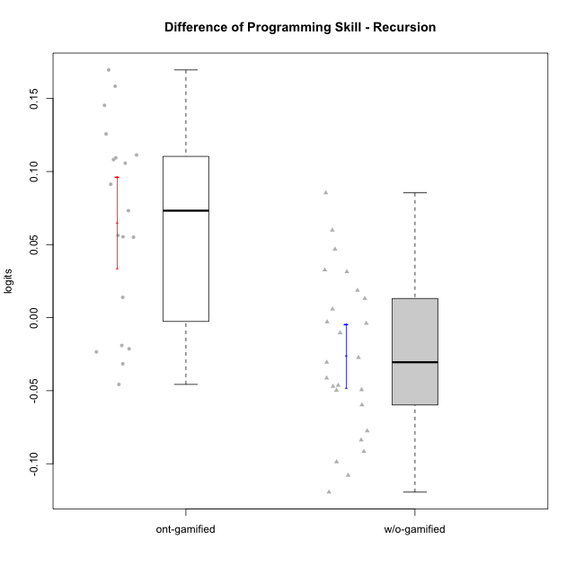

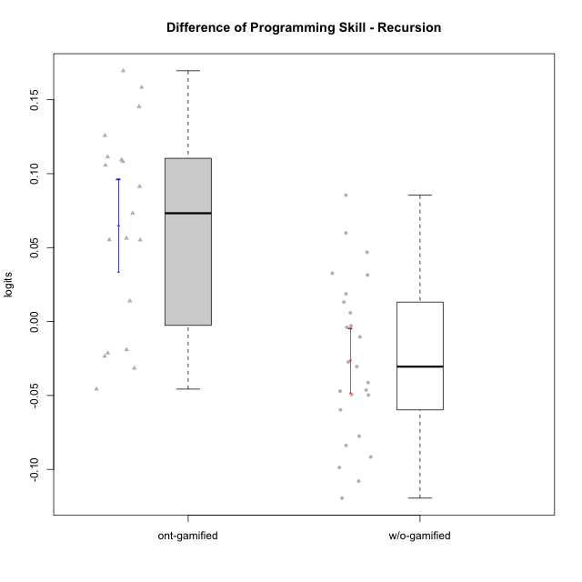

Student's t-Test data
UserID | NroUSP | Type | CLGroup | CLRole | PlayerRole | PreTheta | PostTheta | DiffTheta
10169 | 10377538 | ont-gamified | Resistance | Apprentice | Social Achiever | -0.095138276426 | 0.050199222422 | 0.14533749885
10170 | 10260351 | w/o-gamified | Grupo11 | Apprentice |  | 0.017938476982 | -0.023385485951 | -0.041323962933
10174 | 10276852 | w/o-gamified | Grupo7 | Master |  | 0.030754004896 | -0.018971059358 | -0.049725064254
10175 | 10310700 | ont-gamified | Warriors | Master | Social Achiever | 0.038793154425 | 0.20836361061 | 0.16957045618
10176 | 10276949 | ont-gamified | Outlaws | Master | Social Achiever | 0.094720594445 | 0.15102372615 | 0.0563031317
10178 | 8656201 | ont-gamified | Outlaws | Apprentice | Social Achiever | 0.20258605261 | 0.18126390635 | -0.021322146254
10179 | 10310759 | w/o-gamified | Grupo10 | Master |  | 0.080955438006 | -0.017759330436 | -0.098714768442
10181 | 10276866 | w/o-gamified | Grupo2 | Apprentice |  | -0.068653689399 | 0.016765752583 | 0.085419441982
10183 | 10352030 | w/o-gamified | Grupo3 | Apprentice |  | -0.031011526248 | -0.012293033308 | 0.01871849294
10184 | 10276675 | w/o-gamified | Grupo10 | Apprentice |  | 0.064904527744 | -0.0545141263 | -0.11941865404
10185 | 10276960 | w/o-gamified | Grupo9 | Apprentice |  | 0.022985706035 | -0.0545141263 | -0.077499832334
10186 | 10310551 | ont-gamified | Slayers | Apprentice | Social Achiever | 0.01298330926 | -0.01857096001 | -0.03155426927
10188 | 10276995 | ont-gamified | Vandals | Master | Yee Achiever | 0.0056983535708 | 0.1114272861 | 0.10572893253
10189 | 9363926 | ont-gamified | Vikings | Apprentice | Social Achiever | -0.12515041445 | -0.015745426254 | 0.1094049882
10190 | 10276907 | w/o-gamified | Grupo4 | Apprentice |  | -0.043471699293 | -0.13506556579 | -0.091593866493
10191 | 10276981 | w/o-gamified | Grupo1 | Master |  | 0.10564179517 | -0.002276529018 | -0.10791832419
10192 | 10276682 | ont-gamified | Attractive Devils | Apprentice | Social Achiever | 0.017938476982 | 0.12613183105 | 0.10819335407
10197 | 10276661 | w/o-gamified | Grupo8 | Apprentice |  | 0.022985706035 | -0.0075261614101 | -0.030511867445
10198 | 10310888 | ont-gamified | Attractive Devils | Apprentice | Social Achiever | -0.065936023888 | 0.025380395772 | 0.091316419661
10200 | 9795272 | ont-gamified | Warriors | Apprentice | Social Achiever | -0.043471699293 | 0.011611144147 | 0.055082843441
10201 | 10276928 | w/o-gamified | Grupo11 | Apprentice |  | 0.038793154425 | -0.0075261614101 | -0.046319315835
10202 | 10277036 | ont-gamified | Silly Knights | Apprentice | Social Achiever | -0.088770997841 | 0.069635940815 | 0.15840693866
10204 | 10310471 | w/o-gamified | Grupo6 | Apprentice |  | -0.06077241689 | -0.00092242002216 | 0.059849996868
10206 | 10310721 | w/o-gamified | Grupo8 | Apprentice |  | 0.015450095254 | 0.028561090627 | 0.013110995373
10209 | 10262669 | ont-gamified | Mafia | Apprentice | Social Achiever | 0.052895089305 | 0.12613183105 | 0.073236741746
10210 | 10277015 | w/o-gamified | Grupo6 | Apprentice |  | 0.017938476982 | 0.015033459254 | -0.0029050177281
10213 | 10277040 | w/o-gamified | Grupo7 | Apprentice |  | -0.0062345025119 | 0.026433767335 | 0.032668269847
10215 | 9285227 | ont-gamified | Vikings | Master | Social Achiever | 0.033401754542 | -0.012293033308 | -0.04569478785
10216 | 10276720 | ont-gamified | Silly Knights | Master | Social Achiever | 0.030754004896 | 0.0446862066 | 0.013932201704
10217 | 9805341 | w/o-gamified | Grupo9 | Apprentice |  | 0.047140706075 | 0.078590082494 | 0.031449376419
10218 | 9842913 | w/o-gamified | Grupo10 | Apprentice |  | 0.0081088539798 | 0.0041889725664 | -0.0039198814134
10219 | 10276831 | w/o-gamified | Grupo3 | Master |  | 0.028136354653 | -0.018919306051 | -0.047055660704
10220 | 9760151 | w/o-gamified | Grupo3 | Apprentice |  | -0.043471699293 | -0.070782267715 | -0.027310568422
10221 | 9082496 | ont-gamified | Warriors | Apprentice | Social Achiever | -0.10540764546 | 0.0059546555276 | 0.11136230098
10223 | 9795185 | ont-gamified | Slayers | Master | Social Achiever | 0.0056983535708 | -0.017759330436 | -0.023457684007
10226 | 10310342 | w/o-gamified | Grupo4 | Apprentice |  | -0.058224165164 | -0.0113707987 | 0.046853366464
10227 | 9274382 | w/o-gamified | Grupo5 | Master |  | 0.01298330926 | -0.070782267715 | -0.083765576975
10228 | 10310492 | ont-gamified | Resistance | Apprentice | Social Achiever | -0.16937901605 | -0.043608542772 | 0.12577047328
10230 | 10351992 | ont-gamified | Resistance | Master | Social Achiever | 0.071179368983 | 0.12650630537 | 0.055326936385
10231 | 10276911 | w/o-gamified | Grupo9 | Master |  | 0.1132337595 | 0.063874502347 | -0.049359257152
10232 | 10276974 | w/o-gamified | Grupo7 | Apprentice |  | 0.058813079395 | -0.00092242002216 | -0.059735499417
10237 | 10377688 | ont-gamified | Outlaws | Apprentice | Social Achiever | 0.0033037862681 | -0.015745426254 | -0.019049212522
10238 | 10276953 | w/o-gamified | Grupo2 | Master |  | -0.015405812444 | -0.0095186246011 | 0.0058871878427
10240 | 10276654 | w/o-gamified | Grupo5 | Apprentice |  | -0.015405812444 | -0.025817989072 | -0.010412176628

Type_CLRole_1
Student's t-Test for Difference of Programming Skill - Recursion in Type:CLRole between ont-gamified.Apprentice:ont-gamified.Master

Student's t-Test results
Alternative hypothesis: less
Group | N | Mean | Mean.Difference | Std.deviation | Std.error | CI.lower | CI.upper | df | t.value | p.value | g | magnitude
ont-gamified.Apprentice | 12 | 0.075515494236 | 0.028128467572 | 0.066215421505 | 0.019114745715 | 0.037286002806 | 0.11374498567 | 11.478239288 | 0.82670177912 | 0.78737092544 | 0.38804196616 | small
ont-gamified.Master | 7 | 0.047387026664 | -0.028128467572 | 0.074473183161 | 0.028148217427 | -0.0089094081901 | 0.10368346152 | 11.478239288 | 0.82670177912 | 0.78737092544 | 0.38804196616 | small
Alternative hypothesis: greater
Group | N | Mean | Mean.Difference | Std.deviation | Std.error | CI.lower | CI.upper | df | t.value | p.value | g | magnitude
ont-gamified.Apprentice | 12 | 0.075515494236 | 0.028128467572 | 0.066215421505 | 0.019114745715 | 0.037286002806 | 0.11374498567 | 11.478239288 | 0.82670177912 | 0.21262907456 | 0.38804196616 | small
ont-gamified.Master | 7 | 0.047387026664 | -0.028128467572 | 0.074473183161 | 0.028148217427 | -0.0089094081901 | 0.10368346152 | 11.478239288 | 0.82670177912 | 0.21262907456 | 0.38804196616 | small
Alternative hypothesis: two.sided
Group | N | Mean | Mean.Difference | Std.deviation | Std.error | CI.lower | CI.upper | df | t.value | p.value | g | magnitude
ont-gamified.Apprentice | 12 | 0.075515494236 | 0.028128467572 | 0.066215421505 | 0.019114745715 | 0.037286002806 | 0.11374498567 | 11.478239288 | 0.82670177912 | 0.42525814912 | 0.38804196616 | small
ont-gamified.Master | 7 | 0.047387026664 | -0.028128467572 | 0.074473183161 | 0.028148217427 | -0.0089094081901 | 0.10368346152 | 11.478239288 | 0.82670177912 | 0.42525814912 | 0.38804196616 | small

Box plots for Student's t-Test
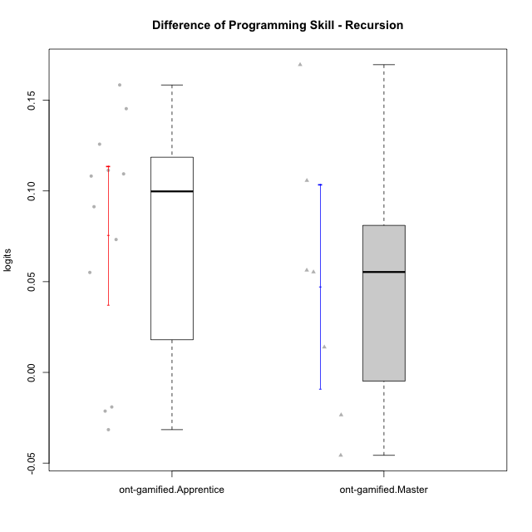

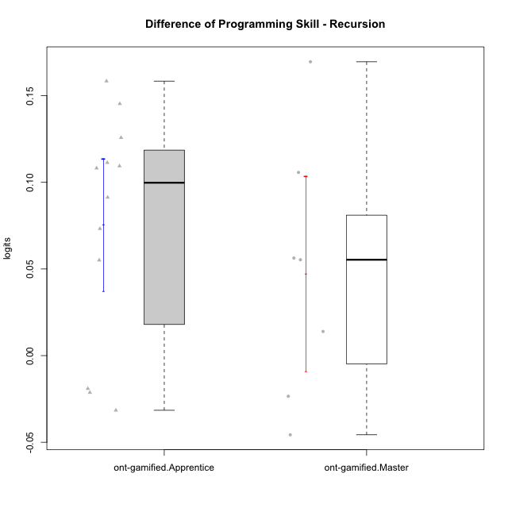

Student's t-Test data
UserID | NroUSP | Type | CLGroup | CLRole | PlayerRole | PreTheta | PostTheta | DiffTheta
10169 | 10377538 | ont-gamified | Resistance | Apprentice | Social Achiever | -0.095138276426 | 0.050199222422 | 0.14533749885
10175 | 10310700 | ont-gamified | Warriors | Master | Social Achiever | 0.038793154425 | 0.20836361061 | 0.16957045618
10176 | 10276949 | ont-gamified | Outlaws | Master | Social Achiever | 0.094720594445 | 0.15102372615 | 0.0563031317
10178 | 8656201 | ont-gamified | Outlaws | Apprentice | Social Achiever | 0.20258605261 | 0.18126390635 | -0.021322146254
10186 | 10310551 | ont-gamified | Slayers | Apprentice | Social Achiever | 0.01298330926 | -0.01857096001 | -0.03155426927
10188 | 10276995 | ont-gamified | Vandals | Master | Yee Achiever | 0.0056983535708 | 0.1114272861 | 0.10572893253
10189 | 9363926 | ont-gamified | Vikings | Apprentice | Social Achiever | -0.12515041445 | -0.015745426254 | 0.1094049882
10192 | 10276682 | ont-gamified | Attractive Devils | Apprentice | Social Achiever | 0.017938476982 | 0.12613183105 | 0.10819335407
10198 | 10310888 | ont-gamified | Attractive Devils | Apprentice | Social Achiever | -0.065936023888 | 0.025380395772 | 0.091316419661
10200 | 9795272 | ont-gamified | Warriors | Apprentice | Social Achiever | -0.043471699293 | 0.011611144147 | 0.055082843441
10202 | 10277036 | ont-gamified | Silly Knights | Apprentice | Social Achiever | -0.088770997841 | 0.069635940815 | 0.15840693866
10209 | 10262669 | ont-gamified | Mafia | Apprentice | Social Achiever | 0.052895089305 | 0.12613183105 | 0.073236741746
10215 | 9285227 | ont-gamified | Vikings | Master | Social Achiever | 0.033401754542 | -0.012293033308 | -0.04569478785
10216 | 10276720 | ont-gamified | Silly Knights | Master | Social Achiever | 0.030754004896 | 0.0446862066 | 0.013932201704
10221 | 9082496 | ont-gamified | Warriors | Apprentice | Social Achiever | -0.10540764546 | 0.0059546555276 | 0.11136230098
10223 | 9795185 | ont-gamified | Slayers | Master | Social Achiever | 0.0056983535708 | -0.017759330436 | -0.023457684007
10228 | 10310492 | ont-gamified | Resistance | Apprentice | Social Achiever | -0.16937901605 | -0.043608542772 | 0.12577047328
10230 | 10351992 | ont-gamified | Resistance | Master | Social Achiever | 0.071179368983 | 0.12650630537 | 0.055326936385
10237 | 10377688 | ont-gamified | Outlaws | Apprentice | Social Achiever | 0.0033037862681 | -0.015745426254 | -0.019049212522

Type_CLRole_2
Student's t-Test for Difference of Programming Skill - Recursion in Type:CLRole between ont-gamified.Apprentice:w/o-gamified.Apprentice

Student's t-Test results
Alternative hypothesis: less
Group | N | Mean | Mean.Difference | Std.deviation | Std.error | CI.lower | CI.upper | df | t.value | p.value | g | magnitude
ont-gamified.Apprentice | 12 | 0.075515494236 | 0.087897755503 | 0.066215421505 | 0.019114745715 | 0.037286002806 | 0.11374498567 | 20.521920543 | 3.8132897996 | 0.99947580397 | 1.4382042618 | large
w/o-gamified.Apprentice | 18 | -0.012382261267 | -0.087897755503 | 0.054653747909 | 0.012882011921 | -0.038146285109 | 0.013381762576 | 20.521920543 | 3.8132897996 | 0.99947580397 | 1.4382042618 | large
Alternative hypothesis: greater
Group | N | Mean | Mean.Difference | Std.deviation | Std.error | CI.lower | CI.upper | df | t.value | p.value | g | magnitude
ont-gamified.Apprentice | 12 | 0.075515494236 | 0.087897755503 | 0.066215421505 | 0.019114745715 | 0.037286002806 | 0.11374498567 | 20.521920543 | 3.8132897996 | 0.00052419603232 | 1.4382042618 | large
w/o-gamified.Apprentice | 18 | -0.012382261267 | -0.087897755503 | 0.054653747909 | 0.012882011921 | -0.038146285109 | 0.013381762576 | 20.521920543 | 3.8132897996 | 0.00052419603232 | 1.4382042618 | large
Alternative hypothesis: two.sided
Group | N | Mean | Mean.Difference | Std.deviation | Std.error | CI.lower | CI.upper | df | t.value | p.value | g | magnitude
ont-gamified.Apprentice | 12 | 0.075515494236 | 0.087897755503 | 0.066215421505 | 0.019114745715 | 0.037286002806 | 0.11374498567 | 20.521920543 | 3.8132897996 | 0.0010483920646 | 1.4382042618 | large
w/o-gamified.Apprentice | 18 | -0.012382261267 | -0.087897755503 | 0.054653747909 | 0.012882011921 | -0.038146285109 | 0.013381762576 | 20.521920543 | 3.8132897996 | 0.0010483920646 | 1.4382042618 | large

Box plots for Student's t-Test
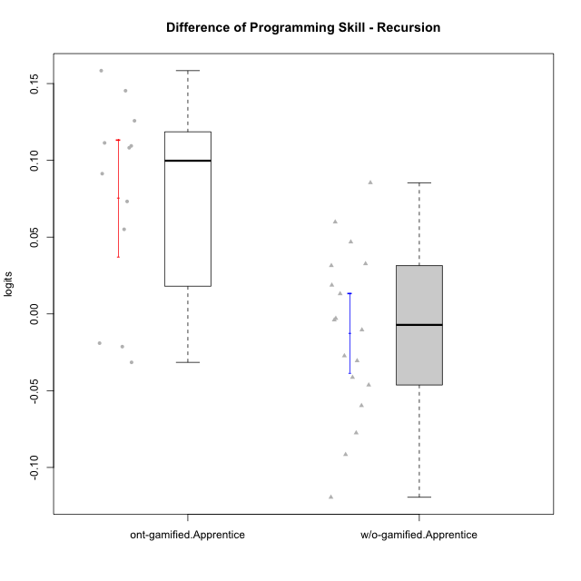

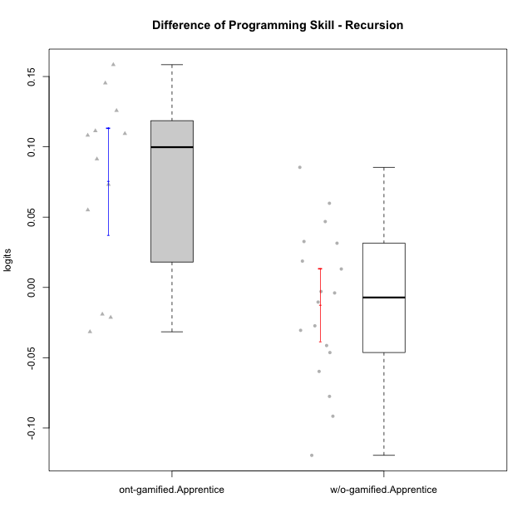

Student's t-Test data
UserID | NroUSP | Type | CLGroup | CLRole | PlayerRole | PreTheta | PostTheta | DiffTheta
10169 | 10377538 | ont-gamified | Resistance | Apprentice | Social Achiever | -0.095138276426 | 0.050199222422 | 0.14533749885
10170 | 10260351 | w/o-gamified | Grupo11 | Apprentice |  | 0.017938476982 | -0.023385485951 | -0.041323962933
10178 | 8656201 | ont-gamified | Outlaws | Apprentice | Social Achiever | 0.20258605261 | 0.18126390635 | -0.021322146254
10181 | 10276866 | w/o-gamified | Grupo2 | Apprentice |  | -0.068653689399 | 0.016765752583 | 0.085419441982
10183 | 10352030 | w/o-gamified | Grupo3 | Apprentice |  | -0.031011526248 | -0.012293033308 | 0.01871849294
10184 | 10276675 | w/o-gamified | Grupo10 | Apprentice |  | 0.064904527744 | -0.0545141263 | -0.11941865404
10185 | 10276960 | w/o-gamified | Grupo9 | Apprentice |  | 0.022985706035 | -0.0545141263 | -0.077499832334
10186 | 10310551 | ont-gamified | Slayers | Apprentice | Social Achiever | 0.01298330926 | -0.01857096001 | -0.03155426927
10189 | 9363926 | ont-gamified | Vikings | Apprentice | Social Achiever | -0.12515041445 | -0.015745426254 | 0.1094049882
10190 | 10276907 | w/o-gamified | Grupo4 | Apprentice |  | -0.043471699293 | -0.13506556579 | -0.091593866493
10192 | 10276682 | ont-gamified | Attractive Devils | Apprentice | Social Achiever | 0.017938476982 | 0.12613183105 | 0.10819335407
10197 | 10276661 | w/o-gamified | Grupo8 | Apprentice |  | 0.022985706035 | -0.0075261614101 | -0.030511867445
10198 | 10310888 | ont-gamified | Attractive Devils | Apprentice | Social Achiever | -0.065936023888 | 0.025380395772 | 0.091316419661
10200 | 9795272 | ont-gamified | Warriors | Apprentice | Social Achiever | -0.043471699293 | 0.011611144147 | 0.055082843441
10201 | 10276928 | w/o-gamified | Grupo11 | Apprentice |  | 0.038793154425 | -0.0075261614101 | -0.046319315835
10202 | 10277036 | ont-gamified | Silly Knights | Apprentice | Social Achiever | -0.088770997841 | 0.069635940815 | 0.15840693866
10204 | 10310471 | w/o-gamified | Grupo6 | Apprentice |  | -0.06077241689 | -0.00092242002216 | 0.059849996868
10206 | 10310721 | w/o-gamified | Grupo8 | Apprentice |  | 0.015450095254 | 0.028561090627 | 0.013110995373
10209 | 10262669 | ont-gamified | Mafia | Apprentice | Social Achiever | 0.052895089305 | 0.12613183105 | 0.073236741746
10210 | 10277015 | w/o-gamified | Grupo6 | Apprentice |  | 0.017938476982 | 0.015033459254 | -0.0029050177281
10213 | 10277040 | w/o-gamified | Grupo7 | Apprentice |  | -0.0062345025119 | 0.026433767335 | 0.032668269847
10217 | 9805341 | w/o-gamified | Grupo9 | Apprentice |  | 0.047140706075 | 0.078590082494 | 0.031449376419
10218 | 9842913 | w/o-gamified | Grupo10 | Apprentice |  | 0.0081088539798 | 0.0041889725664 | -0.0039198814134
10220 | 9760151 | w/o-gamified | Grupo3 | Apprentice |  | -0.043471699293 | -0.070782267715 | -0.027310568422
10221 | 9082496 | ont-gamified | Warriors | Apprentice | Social Achiever | -0.10540764546 | 0.0059546555276 | 0.11136230098
10226 | 10310342 | w/o-gamified | Grupo4 | Apprentice |  | -0.058224165164 | -0.0113707987 | 0.046853366464
10228 | 10310492 | ont-gamified | Resistance | Apprentice | Social Achiever | -0.16937901605 | -0.043608542772 | 0.12577047328
10232 | 10276974 | w/o-gamified | Grupo7 | Apprentice |  | 0.058813079395 | -0.00092242002216 | -0.059735499417
10237 | 10377688 | ont-gamified | Outlaws | Apprentice | Social Achiever | 0.0033037862681 | -0.015745426254 | -0.019049212522
10240 | 10276654 | w/o-gamified | Grupo5 | Apprentice |  | -0.015405812444 | -0.025817989072 | -0.010412176628

Type_CLRole_3
Student's t-Test for Difference of Programming Skill - Recursion in Type:CLRole between ont-gamified.Apprentice:w/o-gamified.Master

Student's t-Test results
Alternative hypothesis: less
Group | N | Mean | Mean.Difference | Std.deviation | Std.error | CI.lower | CI.upper | df | t.value | p.value | g | magnitude
ont-gamified.Apprentice | 12 | 0.075515494236 | 0.13703713193 | 0.066215421505 | 0.019114745715 | 0.037286002806 | 0.11374498567 | 16.974371752 | 5.683539767 | 0.99998645858 | 2.2547020795 | large
w/o-gamified.Master | 7 | -0.061521637696 | -0.13703713193 | 0.038882453676 | 0.014696186113 | -0.090914009922 | -0.03212926547 | 16.974371752 | 5.683539767 | 0.99998645858 | 2.2547020795 | large
Alternative hypothesis: greater
Group | N | Mean | Mean.Difference | Std.deviation | Std.error | CI.lower | CI.upper | df | t.value | p.value | g | magnitude
ont-gamified.Apprentice | 12 | 0.075515494236 | 0.13703713193 | 0.066215421505 | 0.019114745715 | 0.037286002806 | 0.11374498567 | 16.974371752 | 5.683539767 | 1.3541421962E-05 | 2.2547020795 | large
w/o-gamified.Master | 7 | -0.061521637696 | -0.13703713193 | 0.038882453676 | 0.014696186113 | -0.090914009922 | -0.03212926547 | 16.974371752 | 5.683539767 | 1.3541421962E-05 | 2.2547020795 | large
Alternative hypothesis: two.sided
Group | N | Mean | Mean.Difference | Std.deviation | Std.error | CI.lower | CI.upper | df | t.value | p.value | g | magnitude
ont-gamified.Apprentice | 12 | 0.075515494236 | 0.13703713193 | 0.066215421505 | 0.019114745715 | 0.037286002806 | 0.11374498567 | 16.974371752 | 5.683539767 | 2.7082843923E-05 | 2.2547020795 | large
w/o-gamified.Master | 7 | -0.061521637696 | -0.13703713193 | 0.038882453676 | 0.014696186113 | -0.090914009922 | -0.03212926547 | 16.974371752 | 5.683539767 | 2.7082843923E-05 | 2.2547020795 | large

Box plots for Student's t-Test
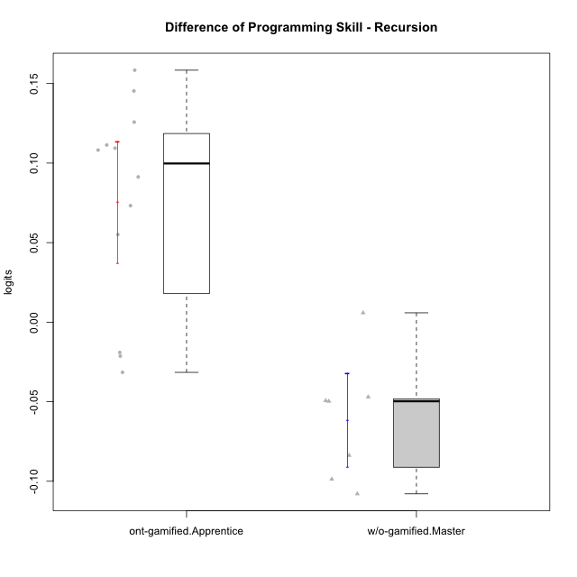

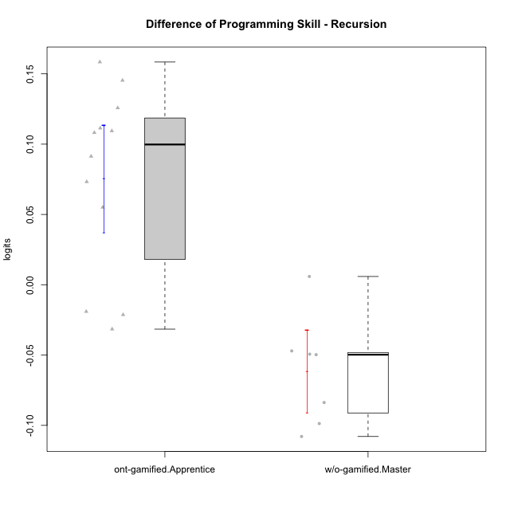

Student's t-Test data
UserID | NroUSP | Type | CLGroup | CLRole | PlayerRole | PreTheta | PostTheta | DiffTheta
10169 | 10377538 | ont-gamified | Resistance | Apprentice | Social Achiever | -0.095138276426 | 0.050199222422 | 0.14533749885
10174 | 10276852 | w/o-gamified | Grupo7 | Master |  | 0.030754004896 | -0.018971059358 | -0.049725064254
10178 | 8656201 | ont-gamified | Outlaws | Apprentice | Social Achiever | 0.20258605261 | 0.18126390635 | -0.021322146254
10179 | 10310759 | w/o-gamified | Grupo10 | Master |  | 0.080955438006 | -0.017759330436 | -0.098714768442
10186 | 10310551 | ont-gamified | Slayers | Apprentice | Social Achiever | 0.01298330926 | -0.01857096001 | -0.03155426927
10189 | 9363926 | ont-gamified | Vikings | Apprentice | Social Achiever | -0.12515041445 | -0.015745426254 | 0.1094049882
10191 | 10276981 | w/o-gamified | Grupo1 | Master |  | 0.10564179517 | -0.002276529018 | -0.10791832419
10192 | 10276682 | ont-gamified | Attractive Devils | Apprentice | Social Achiever | 0.017938476982 | 0.12613183105 | 0.10819335407
10198 | 10310888 | ont-gamified | Attractive Devils | Apprentice | Social Achiever | -0.065936023888 | 0.025380395772 | 0.091316419661
10200 | 9795272 | ont-gamified | Warriors | Apprentice | Social Achiever | -0.043471699293 | 0.011611144147 | 0.055082843441
10202 | 10277036 | ont-gamified | Silly Knights | Apprentice | Social Achiever | -0.088770997841 | 0.069635940815 | 0.15840693866
10209 | 10262669 | ont-gamified | Mafia | Apprentice | Social Achiever | 0.052895089305 | 0.12613183105 | 0.073236741746
10219 | 10276831 | w/o-gamified | Grupo3 | Master |  | 0.028136354653 | -0.018919306051 | -0.047055660704
10221 | 9082496 | ont-gamified | Warriors | Apprentice | Social Achiever | -0.10540764546 | 0.0059546555276 | 0.11136230098
10227 | 9274382 | w/o-gamified | Grupo5 | Master |  | 0.01298330926 | -0.070782267715 | -0.083765576975
10228 | 10310492 | ont-gamified | Resistance | Apprentice | Social Achiever | -0.16937901605 | -0.043608542772 | 0.12577047328
10231 | 10276911 | w/o-gamified | Grupo9 | Master |  | 0.1132337595 | 0.063874502347 | -0.049359257152
10237 | 10377688 | ont-gamified | Outlaws | Apprentice | Social Achiever | 0.0033037862681 | -0.015745426254 | -0.019049212522
10238 | 10276953 | w/o-gamified | Grupo2 | Master |  | -0.015405812444 | -0.0095186246011 | 0.0058871878427

Type_CLRole_4
Student's t-Test for Difference of Programming Skill - Recursion in Type:CLRole between ont-gamified.Master:w/o-gamified.Apprentice

Student's t-Test results
Alternative hypothesis: less
Group | N | Mean | Mean.Difference | Std.deviation | Std.error | CI.lower | CI.upper | df | t.value | p.value | g | magnitude
ont-gamified.Master | 7 | 0.047387026664 | 0.05976928793 | 0.074473183161 | 0.028148217427 | -0.0089094081901 | 0.10368346152 | 8.6427041308 | 1.9307876128 | 0.95654851868 | 0.95608419365 | large
w/o-gamified.Apprentice | 18 | -0.012382261267 | -0.05976928793 | 0.054653747909 | 0.012882011921 | -0.038146285109 | 0.013381762576 | 8.6427041308 | 1.9307876128 | 0.95654851868 | 0.95608419365 | large
Alternative hypothesis: greater
Group | N | Mean | Mean.Difference | Std.deviation | Std.error | CI.lower | CI.upper | df | t.value | p.value | g | magnitude
ont-gamified.Master | 7 | 0.047387026664 | 0.05976928793 | 0.074473183161 | 0.028148217427 | -0.0089094081901 | 0.10368346152 | 8.6427041308 | 1.9307876128 | 0.043451481324 | 0.95608419365 | large
w/o-gamified.Apprentice | 18 | -0.012382261267 | -0.05976928793 | 0.054653747909 | 0.012882011921 | -0.038146285109 | 0.013381762576 | 8.6427041308 | 1.9307876128 | 0.043451481324 | 0.95608419365 | large
Alternative hypothesis: two.sided
Group | N | Mean | Mean.Difference | Std.deviation | Std.error | CI.lower | CI.upper | df | t.value | p.value | g | magnitude
ont-gamified.Master | 7 | 0.047387026664 | 0.05976928793 | 0.074473183161 | 0.028148217427 | -0.0089094081901 | 0.10368346152 | 8.6427041308 | 1.9307876128 | 0.086902962649 | 0.95608419365 | large
w/o-gamified.Apprentice | 18 | -0.012382261267 | -0.05976928793 | 0.054653747909 | 0.012882011921 | -0.038146285109 | 0.013381762576 | 8.6427041308 | 1.9307876128 | 0.086902962649 | 0.95608419365 | large

Box plots for Student's t-Test
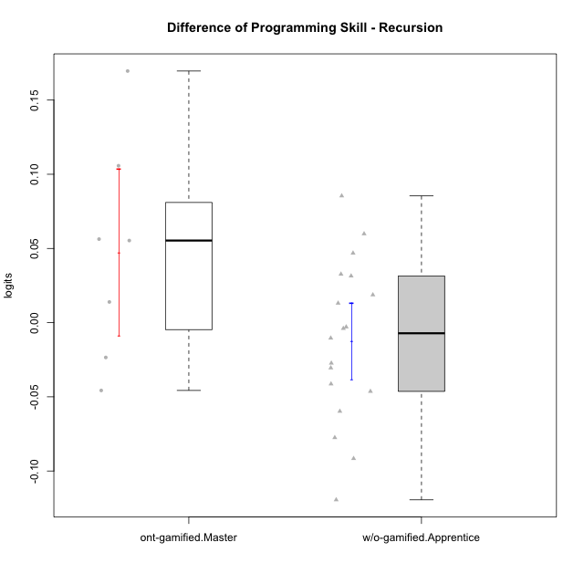

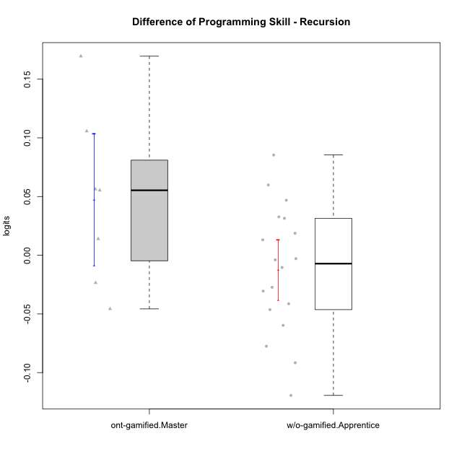

Student's t-Test data
UserID | NroUSP | Type | CLGroup | CLRole | PlayerRole | PreTheta | PostTheta | DiffTheta
10170 | 10260351 | w/o-gamified | Grupo11 | Apprentice |  | 0.017938476982 | -0.023385485951 | -0.041323962933
10175 | 10310700 | ont-gamified | Warriors | Master | Social Achiever | 0.038793154425 | 0.20836361061 | 0.16957045618
10176 | 10276949 | ont-gamified | Outlaws | Master | Social Achiever | 0.094720594445 | 0.15102372615 | 0.0563031317
10181 | 10276866 | w/o-gamified | Grupo2 | Apprentice |  | -0.068653689399 | 0.016765752583 | 0.085419441982
10183 | 10352030 | w/o-gamified | Grupo3 | Apprentice |  | -0.031011526248 | -0.012293033308 | 0.01871849294
10184 | 10276675 | w/o-gamified | Grupo10 | Apprentice |  | 0.064904527744 | -0.0545141263 | -0.11941865404
10185 | 10276960 | w/o-gamified | Grupo9 | Apprentice |  | 0.022985706035 | -0.0545141263 | -0.077499832334
10188 | 10276995 | ont-gamified | Vandals | Master | Yee Achiever | 0.0056983535708 | 0.1114272861 | 0.10572893253
10190 | 10276907 | w/o-gamified | Grupo4 | Apprentice |  | -0.043471699293 | -0.13506556579 | -0.091593866493
10197 | 10276661 | w/o-gamified | Grupo8 | Apprentice |  | 0.022985706035 | -0.0075261614101 | -0.030511867445
10201 | 10276928 | w/o-gamified | Grupo11 | Apprentice |  | 0.038793154425 | -0.0075261614101 | -0.046319315835
10204 | 10310471 | w/o-gamified | Grupo6 | Apprentice |  | -0.06077241689 | -0.00092242002216 | 0.059849996868
10206 | 10310721 | w/o-gamified | Grupo8 | Apprentice |  | 0.015450095254 | 0.028561090627 | 0.013110995373
10210 | 10277015 | w/o-gamified | Grupo6 | Apprentice |  | 0.017938476982 | 0.015033459254 | -0.0029050177281
10213 | 10277040 | w/o-gamified | Grupo7 | Apprentice |  | -0.0062345025119 | 0.026433767335 | 0.032668269847
10215 | 9285227 | ont-gamified | Vikings | Master | Social Achiever | 0.033401754542 | -0.012293033308 | -0.04569478785
10216 | 10276720 | ont-gamified | Silly Knights | Master | Social Achiever | 0.030754004896 | 0.0446862066 | 0.013932201704
10217 | 9805341 | w/o-gamified | Grupo9 | Apprentice |  | 0.047140706075 | 0.078590082494 | 0.031449376419
10218 | 9842913 | w/o-gamified | Grupo10 | Apprentice |  | 0.0081088539798 | 0.0041889725664 | -0.0039198814134
10220 | 9760151 | w/o-gamified | Grupo3 | Apprentice |  | -0.043471699293 | -0.070782267715 | -0.027310568422
10223 | 9795185 | ont-gamified | Slayers | Master | Social Achiever | 0.0056983535708 | -0.017759330436 | -0.023457684007
10226 | 10310342 | w/o-gamified | Grupo4 | Apprentice |  | -0.058224165164 | -0.0113707987 | 0.046853366464
10230 | 10351992 | ont-gamified | Resistance | Master | Social Achiever | 0.071179368983 | 0.12650630537 | 0.055326936385
10232 | 10276974 | w/o-gamified | Grupo7 | Apprentice |  | 0.058813079395 | -0.00092242002216 | -0.059735499417
10240 | 10276654 | w/o-gamified | Grupo5 | Apprentice |  | -0.015405812444 | -0.025817989072 | -0.010412176628

Type_CLRole_5
Student's t-Test for Difference of Programming Skill - Recursion in Type:CLRole between ont-gamified.Master:w/o-gamified.Master

Student's t-Test results
Alternative hypothesis: less
Group | N | Mean | Mean.Difference | Std.deviation | Std.error | CI.lower | CI.upper | df | t.value | p.value | g | magnitude
ont-gamified.Master | 7 | 0.047387026664 | 0.10890866436 | 0.074473183161 | 0.028148217427 | -0.0089094081901 | 0.10368346152 | 9.0448181005 | 3.4297900948 | 0.99627207158 | 1.7162807766 | large
w/o-gamified.Master | 7 | -0.061521637696 | -0.10890866436 | 0.038882453676 | 0.014696186113 | -0.090914009922 | -0.03212926547 | 9.0448181005 | 3.4297900948 | 0.99627207158 | 1.7162807766 | large
Alternative hypothesis: greater
Group | N | Mean | Mean.Difference | Std.deviation | Std.error | CI.lower | CI.upper | df | t.value | p.value | g | magnitude
ont-gamified.Master | 7 | 0.047387026664 | 0.10890866436 | 0.074473183161 | 0.028148217427 | -0.0089094081901 | 0.10368346152 | 9.0448181005 | 3.4297900948 | 0.0037279284187 | 1.7162807766 | large
w/o-gamified.Master | 7 | -0.061521637696 | -0.10890866436 | 0.038882453676 | 0.014696186113 | -0.090914009922 | -0.03212926547 | 9.0448181005 | 3.4297900948 | 0.0037279284187 | 1.7162807766 | large
Alternative hypothesis: two.sided
Group | N | Mean | Mean.Difference | Std.deviation | Std.error | CI.lower | CI.upper | df | t.value | p.value | g | magnitude
ont-gamified.Master | 7 | 0.047387026664 | 0.10890866436 | 0.074473183161 | 0.028148217427 | -0.0089094081901 | 0.10368346152 | 9.0448181005 | 3.4297900948 | 0.0074558568374 | 1.7162807766 | large
w/o-gamified.Master | 7 | -0.061521637696 | -0.10890866436 | 0.038882453676 | 0.014696186113 | -0.090914009922 | -0.03212926547 | 9.0448181005 | 3.4297900948 | 0.0074558568374 | 1.7162807766 | large

Box plots for Student's t-Test
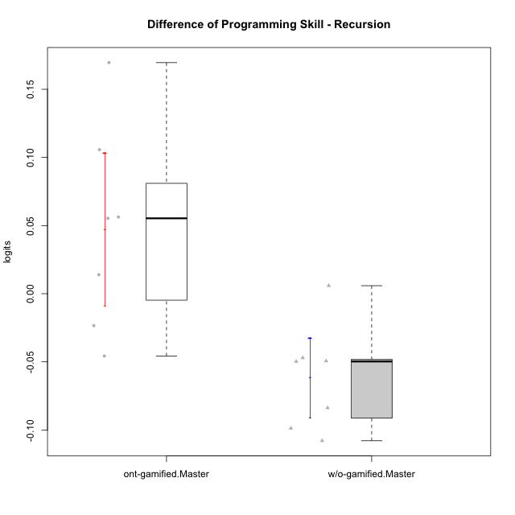

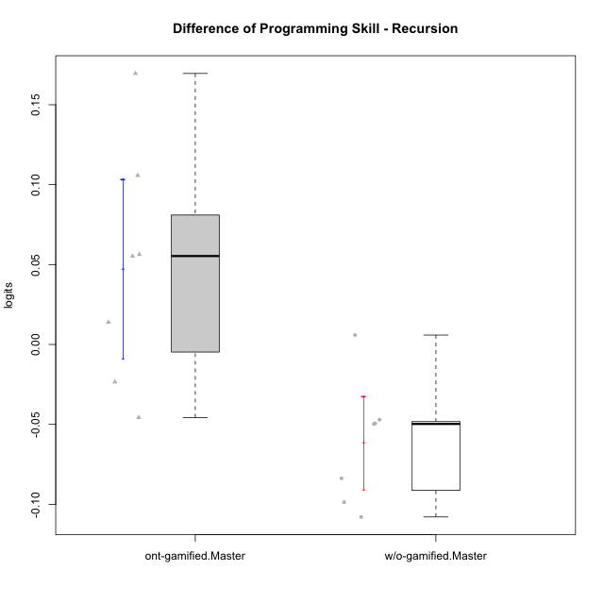

Student's t-Test data
UserID | NroUSP | Type | CLGroup | CLRole | PlayerRole | PreTheta | PostTheta | DiffTheta
10174 | 10276852 | w/o-gamified | Grupo7 | Master |  | 0.030754004896 | -0.018971059358 | -0.049725064254
10175 | 10310700 | ont-gamified | Warriors | Master | Social Achiever | 0.038793154425 | 0.20836361061 | 0.16957045618
10176 | 10276949 | ont-gamified | Outlaws | Master | Social Achiever | 0.094720594445 | 0.15102372615 | 0.0563031317
10179 | 10310759 | w/o-gamified | Grupo10 | Master |  | 0.080955438006 | -0.017759330436 | -0.098714768442
10188 | 10276995 | ont-gamified | Vandals | Master | Yee Achiever | 0.0056983535708 | 0.1114272861 | 0.10572893253
10191 | 10276981 | w/o-gamified | Grupo1 | Master |  | 0.10564179517 | -0.002276529018 | -0.10791832419
10215 | 9285227 | ont-gamified | Vikings | Master | Social Achiever | 0.033401754542 | -0.012293033308 | -0.04569478785
10216 | 10276720 | ont-gamified | Silly Knights | Master | Social Achiever | 0.030754004896 | 0.0446862066 | 0.013932201704
10219 | 10276831 | w/o-gamified | Grupo3 | Master |  | 0.028136354653 | -0.018919306051 | -0.047055660704
10223 | 9795185 | ont-gamified | Slayers | Master | Social Achiever | 0.0056983535708 | -0.017759330436 | -0.023457684007
10227 | 9274382 | w/o-gamified | Grupo5 | Master |  | 0.01298330926 | -0.070782267715 | -0.083765576975
10230 | 10351992 | ont-gamified | Resistance | Master | Social Achiever | 0.071179368983 | 0.12650630537 | 0.055326936385
10231 | 10276911 | w/o-gamified | Grupo9 | Master |  | 0.1132337595 | 0.063874502347 | -0.049359257152
10238 | 10276953 | w/o-gamified | Grupo2 | Master |  | -0.015405812444 | -0.0095186246011 | 0.0058871878427

Type_CLRole_6
Student's t-Test for Difference of Programming Skill - Recursion in Type:CLRole between w/o-gamified.Apprentice:w/o-gamified.Master

Student's t-Test results
Alternative hypothesis: less
Group | N | Mean | Mean.Difference | Std.deviation | Std.error | CI.lower | CI.upper | df | t.value | p.value | g | magnitude
w/o-gamified.Apprentice | 18 | -0.012382261267 | 0.04913937643 | 0.054653747909 | 0.012882011921 | -0.038146285109 | 0.013381762576 | 15.527079657 | 2.5144389714 | 0.98831507146 | 0.93153787951 | large
w/o-gamified.Master | 7 | -0.061521637696 | -0.04913937643 | 0.038882453676 | 0.014696186113 | -0.090914009922 | -0.03212926547 | 15.527079657 | 2.5144389714 | 0.98831507146 | 0.93153787951 | large
Alternative hypothesis: greater
Group | N | Mean | Mean.Difference | Std.deviation | Std.error | CI.lower | CI.upper | df | t.value | p.value | g | magnitude
w/o-gamified.Apprentice | 18 | -0.012382261267 | 0.04913937643 | 0.054653747909 | 0.012882011921 | -0.038146285109 | 0.013381762576 | 15.527079657 | 2.5144389714 | 0.011684928544 | 0.93153787951 | large
w/o-gamified.Master | 7 | -0.061521637696 | -0.04913937643 | 0.038882453676 | 0.014696186113 | -0.090914009922 | -0.03212926547 | 15.527079657 | 2.5144389714 | 0.011684928544 | 0.93153787951 | large
Alternative hypothesis: two.sided
Group | N | Mean | Mean.Difference | Std.deviation | Std.error | CI.lower | CI.upper | df | t.value | p.value | g | magnitude
w/o-gamified.Apprentice | 18 | -0.012382261267 | 0.04913937643 | 0.054653747909 | 0.012882011921 | -0.038146285109 | 0.013381762576 | 15.527079657 | 2.5144389714 | 0.023369857087 | 0.93153787951 | large
w/o-gamified.Master | 7 | -0.061521637696 | -0.04913937643 | 0.038882453676 | 0.014696186113 | -0.090914009922 | -0.03212926547 | 15.527079657 | 2.5144389714 | 0.023369857087 | 0.93153787951 | large

Box plots for Student's t-Test
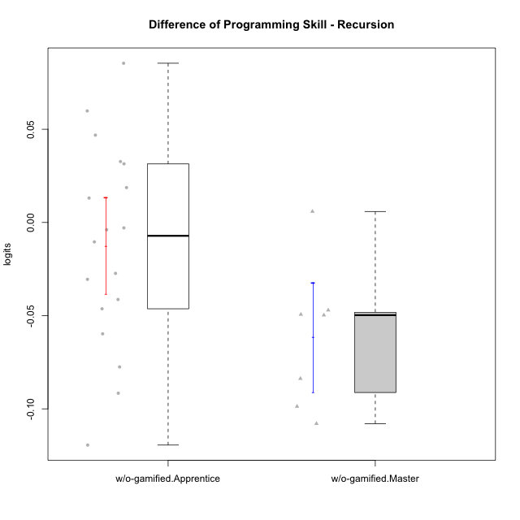

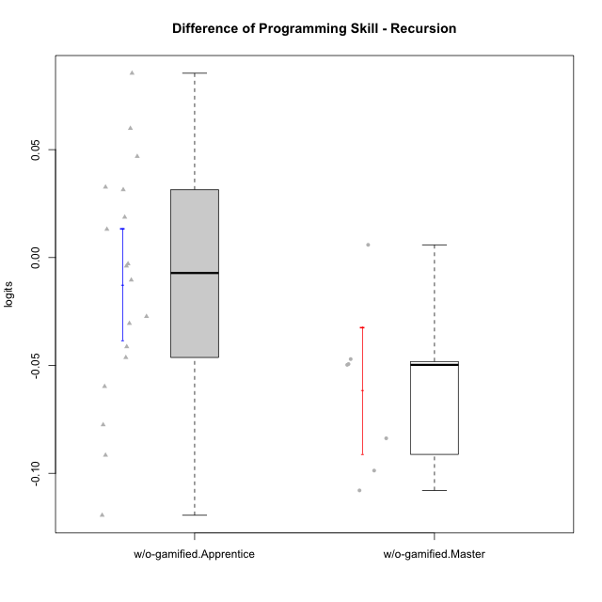

Student's t-Test data
UserID | NroUSP | Type | CLGroup | CLRole | PlayerRole | PreTheta | PostTheta | DiffTheta
10170 | 10260351 | w/o-gamified | Grupo11 | Apprentice |  | 0.017938476982 | -0.023385485951 | -0.041323962933
10174 | 10276852 | w/o-gamified | Grupo7 | Master |  | 0.030754004896 | -0.018971059358 | -0.049725064254
10179 | 10310759 | w/o-gamified | Grupo10 | Master |  | 0.080955438006 | -0.017759330436 | -0.098714768442
10181 | 10276866 | w/o-gamified | Grupo2 | Apprentice |  | -0.068653689399 | 0.016765752583 | 0.085419441982
10183 | 10352030 | w/o-gamified | Grupo3 | Apprentice |  | -0.031011526248 | -0.012293033308 | 0.01871849294
10184 | 10276675 | w/o-gamified | Grupo10 | Apprentice |  | 0.064904527744 | -0.0545141263 | -0.11941865404
10185 | 10276960 | w/o-gamified | Grupo9 | Apprentice |  | 0.022985706035 | -0.0545141263 | -0.077499832334
10190 | 10276907 | w/o-gamified | Grupo4 | Apprentice |  | -0.043471699293 | -0.13506556579 | -0.091593866493
10191 | 10276981 | w/o-gamified | Grupo1 | Master |  | 0.10564179517 | -0.002276529018 | -0.10791832419
10197 | 10276661 | w/o-gamified | Grupo8 | Apprentice |  | 0.022985706035 | -0.0075261614101 | -0.030511867445
10201 | 10276928 | w/o-gamified | Grupo11 | Apprentice |  | 0.038793154425 | -0.0075261614101 | -0.046319315835
10204 | 10310471 | w/o-gamified | Grupo6 | Apprentice |  | -0.06077241689 | -0.00092242002216 | 0.059849996868
10206 | 10310721 | w/o-gamified | Grupo8 | Apprentice |  | 0.015450095254 | 0.028561090627 | 0.013110995373
10210 | 10277015 | w/o-gamified | Grupo6 | Apprentice |  | 0.017938476982 | 0.015033459254 | -0.0029050177281
10213 | 10277040 | w/o-gamified | Grupo7 | Apprentice |  | -0.0062345025119 | 0.026433767335 | 0.032668269847
10217 | 9805341 | w/o-gamified | Grupo9 | Apprentice |  | 0.047140706075 | 0.078590082494 | 0.031449376419
10218 | 9842913 | w/o-gamified | Grupo10 | Apprentice |  | 0.0081088539798 | 0.0041889725664 | -0.0039198814134
10219 | 10276831 | w/o-gamified | Grupo3 | Master |  | 0.028136354653 | -0.018919306051 | -0.047055660704
10220 | 9760151 | w/o-gamified | Grupo3 | Apprentice |  | -0.043471699293 | -0.070782267715 | -0.027310568422
10226 | 10310342 | w/o-gamified | Grupo4 | Apprentice |  | -0.058224165164 | -0.0113707987 | 0.046853366464
10227 | 9274382 | w/o-gamified | Grupo5 | Master |  | 0.01298330926 | -0.070782267715 | -0.083765576975
10231 | 10276911 | w/o-gamified | Grupo9 | Master |  | 0.1132337595 | 0.063874502347 | -0.049359257152
10232 | 10276974 | w/o-gamified | Grupo7 | Apprentice |  | 0.058813079395 | -0.00092242002216 | -0.059735499417
10238 | 10276953 | w/o-gamified | Grupo2 | Master |  | -0.015405812444 | -0.0095186246011 | 0.0058871878427
10240 | 10276654 | w/o-gamified | Grupo5 | Apprentice |  | -0.015405812444 | -0.025817989072 | -0.010412176628

