Assumptions
ANOVA assumptions for Attention

Shapiro-Wilk normality test for Attention
W | p.value
0.96837673457 | 0.22960284257

Plots for normality test
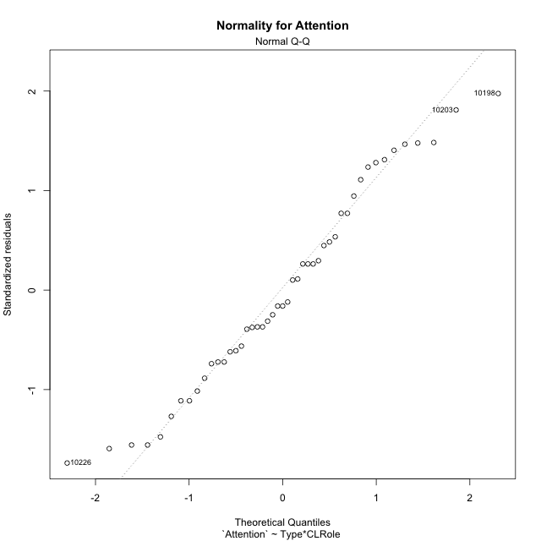

Levene's Test for Homogeneity of Variance in Attention
Df | F value | Pr(>F)
3 | 0.58681194734 | 0.62694151797
43

Plots for homogeneity of variance
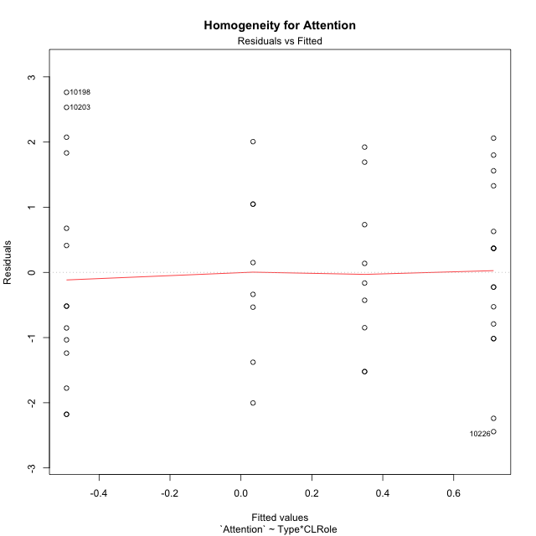

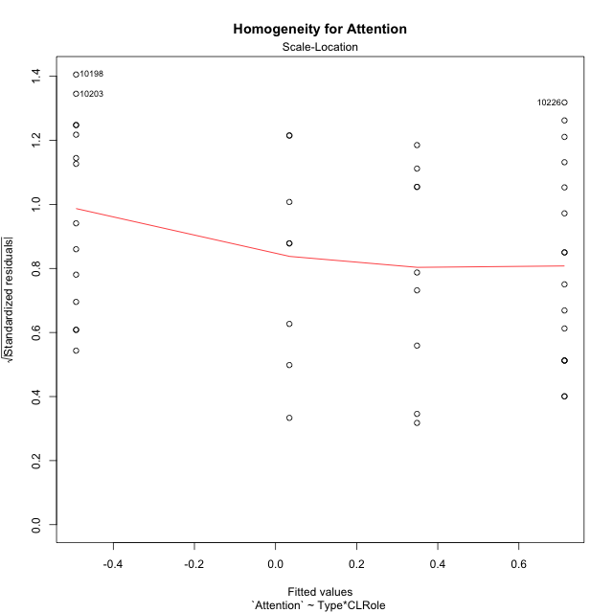

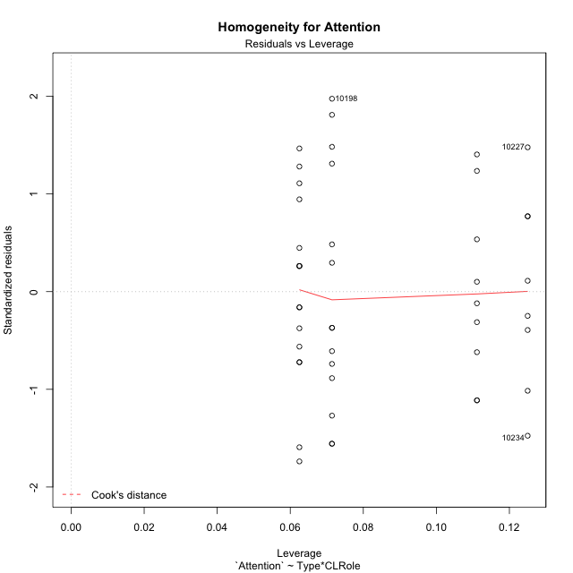

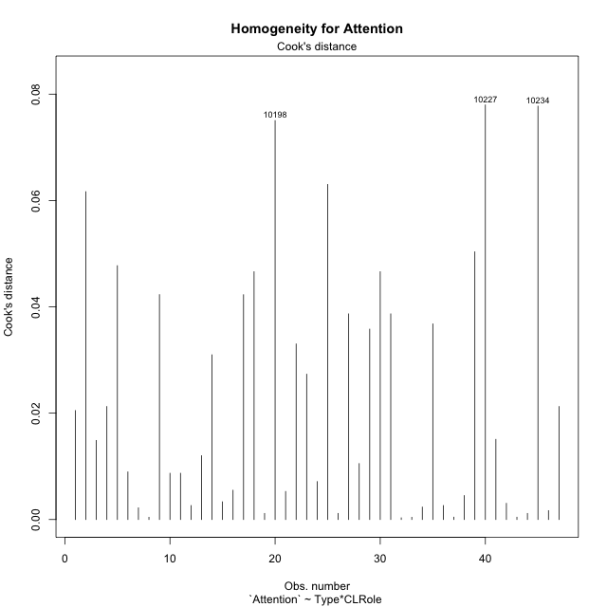

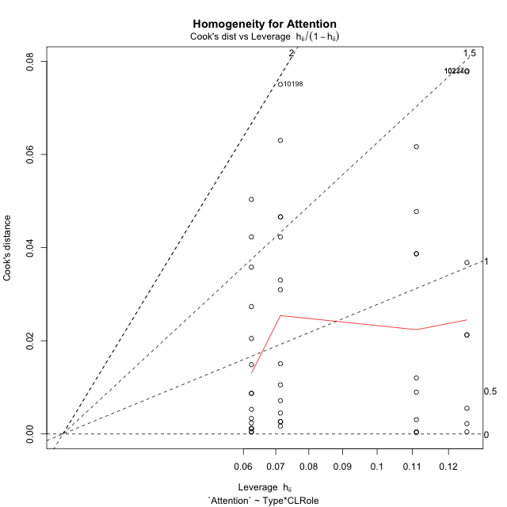

Minimum Sample Size Test for Attention
Type | CLRole | Freq
ont-gamified | Apprentice | 14
w/o-gamified | Apprentice | 16
ont-gamified | Master | 9
w/o-gamified | Master | 8

Errors and Warnings in Sample Size Test for ANOVA in Attention
code | description
WARN: sample.size | current.size is = 14 and recommended.size must be = 15 for the group: 'ont-gamified:Apprentice'. Size sample for parametric test isn't recomended
WARN: sample.size | current.size is = 9 and recommended.size must be = 15 for the group: 'ont-gamified:Master'. Size sample for parametric test isn't recomended
WARN: sample.size | current.size is = 8 and recommended.size must be = 15 for the group: 'w/o-gamified:Master'. Size sample for parametric test isn't recomended

For the group: 'ont-gamified:Apprentice', we recommend the use of non parametric test. For the group: 'w/o-gamified:Apprentice', you can perform a parametric test with a non-normal distribution For the group: 'ont-gamified:Master', we recommend the use of non parametric test. For the group: 'w/o-gamified:Master', we recommend the use of non parametric test.

If you don't want to remove non-normal data, you must cite the following references: ... (1) Lix, L.M., J.C. Keselman, and H.J. Keselman. 1996. Consequences of assumption violations revisited: A quantitative review of alternatives to the one-way analysis of variance F test. Rev. Educ. Res. 66: 579-619. ... (2) Harwell, M.R., E.N. Rubinstein, W.S. Hayes, and C.C. Olds. 1992. Summarizing Monte Carlo results in methodological research: the one- and two-factor fixed effects ANOVA cases. J. Educ. Stat. 17: 315-339.

Post-hoc
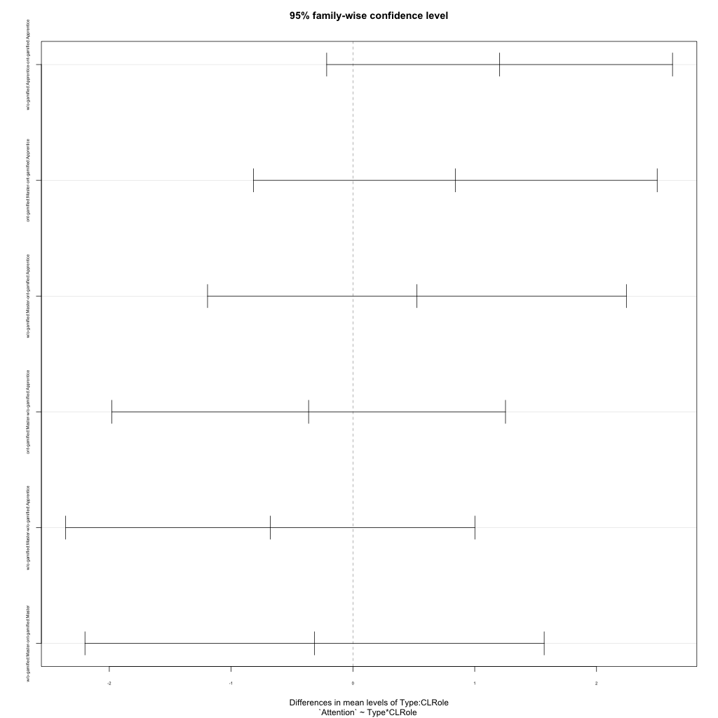
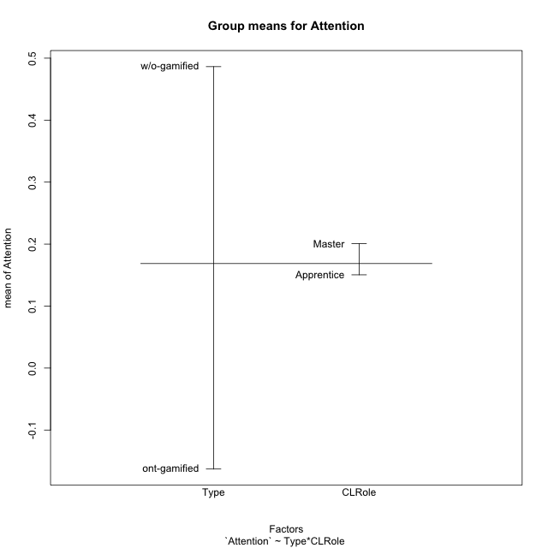
Post-hoc Tukey Honestly Significant Difference (HSD) Test for Attention

Comparisons of means for Type
 | diff | lwr | upr | p adj
w/o-gamified-ont-gamified | 0.64918754118 | -0.20503102316 | 1.5034061055 | 0.13268915547

Comparisons of means for CLRole
 | diff | lwr | upr | p adj
Master-Apprentice | 0.090941004067 | -0.79775546844 | 0.97963747657 | 0.83747620145

Comparisons of means for Type:CLRole
 | diff | lwr | upr | p adj
w/o-gamified:Apprentice-ont-gamified:Apprentice | 1.2042442811 | -0.21543971716 | 2.6239282793 | 0.12193877897
ont-gamified:Master-ont-gamified:Apprentice | 0.84058308517 | -0.8168412631 | 2.4980074335 | 0.53364613886
w/o-gamified:Master-ont-gamified:Apprentice | 0.52584550921 | -1.1934771948 | 2.2451682132 | 0.845942564
ont-gamified:Master-w/o-gamified:Apprentice | -0.36366119589 | -1.9800425329 | 1.2527201411 | 0.93110850424
w/o-gamified:Master-w/o-gamified:Apprentice | -0.67839877186 | -2.3581915319 | 1.0013939882 | 0.70387508968
w/o-gamified:Master-ont-gamified:Master | -0.31473757597 | -2.1997459399 | 1.570270788 | 0.97000382639

Contrast Matrices for Attention - Type
contrast | estimate | SE | df | t.ratio | p.value
ont-gamified - w/o-gamified | -0.44475335255 | 0.44151366652 | 43 | -1.0073376801 | 0.31940765409

Contrast Matrices for Attention - Type:CLRole
contrast | CLRole | estimate | SE | df | t.ratio | p.value
ont-gamified - w/o-gamified | Apprentice | -1.2042442811 | 0.53123492017 | 43 | -2.266877111 | 0.028483551372
ont-gamified - w/o-gamified | Master | 0.31473757597 | 0.70535574747 | 43 | 0.446211117 | 0.65768372771

Least Squares Means and Confidence Intervals for Type
Type | lsmean | SE | df | lower.CL | upper.CL | Pairs
ont-gamified | -0.071515810386 | 0.31009777262 | 43 | -0.69688756942 | 0.55385594865 | ont-gamified
w/o-gamified | 0.37323754217 | 0.31428281713 | 43 | -0.26057416349 | 1.0070492478 | w/o-gamified

Least Squares Means and Confidence Intervals for Type:CLRole
Type | CLRole | lsmean | SE | df | lower.CL | upper.CL | Pairs
ont-gamified | Apprentice | -0.49180735297 | 0.38795913215 | 43 | -1.2742015084 | 0.29058680245 | ont-gamified.Apprentice
w/o-gamified | Apprentice | 0.7124369281 | 0.36290253814 | 43 | -0.019425789655 | 1.4442996458 | w/o-gamified.Apprentice
ont-gamified | Master | 0.3487757322 | 0.48387005086 | 43 | -0.6270412248 | 1.3245926892 | ont-gamified.Master
w/o-gamified | Master | 0.034038156236 | 0.51322169126 | 43 | -1.000972025 | 1.0690483375 | w/o-gamified.Master

Plots

Type_1
Student's t-Test for Attention in Type between ont-gamified:w/o-gamified

Student's t-Test results
Alternative hypothesis: less
Group | N | Mean | Mean.Difference | Std.deviation | Std.error | CI.lower | CI.upper | df | t.value | p.value | g | magnitude
ont-gamified | 23 | -0.16288353704 | -0.64918754118 | 1.586763122 | 0.33086298262 | -0.82460950228 | 0.49884242821 | 43.142718323 | -1.5104445851 | 0.06911011602 | -0.43490914717 | small
w/o-gamified | 24 | 0.48630400414 | 0.64918754118 | 1.3439361544 | 0.27432981876 | -0.062355633377 | 1.0349636417 | 43.142718323 | -1.5104445851 | 0.06911011602 | -0.43490914717 | small
Alternative hypothesis: greater
Group | N | Mean | Mean.Difference | Std.deviation | Std.error | CI.lower | CI.upper | df | t.value | p.value | g | magnitude
ont-gamified | 23 | -0.16288353704 | -0.64918754118 | 1.586763122 | 0.33086298262 | -0.82460950228 | 0.49884242821 | 43.142718323 | -1.5104445851 | 0.93088988398 | -0.43490914717 | small
w/o-gamified | 24 | 0.48630400414 | 0.64918754118 | 1.3439361544 | 0.27432981876 | -0.062355633377 | 1.0349636417 | 43.142718323 | -1.5104445851 | 0.93088988398 | -0.43490914717 | small
Alternative hypothesis: two.sided
Group | N | Mean | Mean.Difference | Std.deviation | Std.error | CI.lower | CI.upper | df | t.value | p.value | g | magnitude
ont-gamified | 23 | -0.16288353704 | -0.64918754118 | 1.586763122 | 0.33086298262 | -0.82460950228 | 0.49884242821 | 43.142718323 | -1.5104445851 | 0.13822023204 | -0.43490914717 | small
w/o-gamified | 24 | 0.48630400414 | 0.64918754118 | 1.3439361544 | 0.27432981876 | -0.062355633377 | 1.0349636417 | 43.142718323 | -1.5104445851 | 0.13822023204 | -0.43490914717 | small

Box plots for Student's t-Test
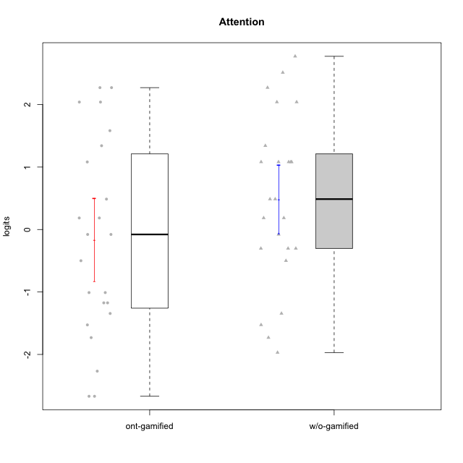

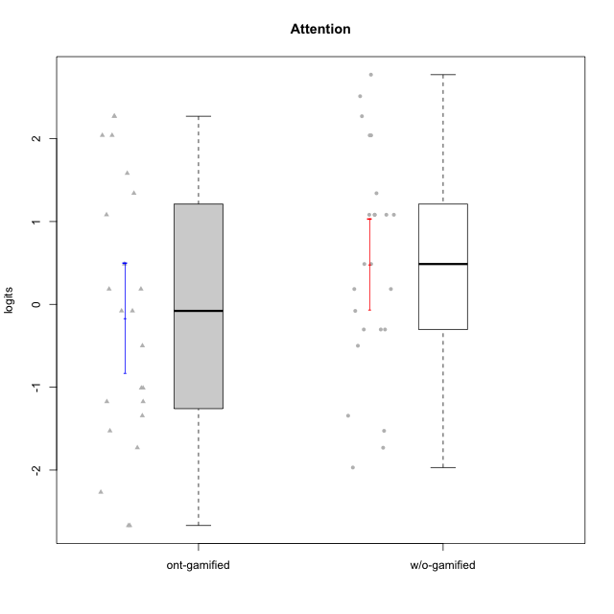

Student's t-Test data
UserID | NroUSP | Type | CLGroup | CLRole | PlayerRole | Attention | error | WLE.rel
10170 | 10260351 | w/o-gamified | Grupo11 | Apprentice |  | 2.2712118357 | 0.49834754633 | 0.89520330215
10171 | 698531 | ont-gamified | Mafia | Master | Social Achiever | 2.2712118357 | 0.49834754633 | 0.89520330215
10172 | 10273971 | w/o-gamified | Grupo5 | Apprentice |  | 2.0403929405 | 0.49100421753 | 0.89520330215
10174 | 10276852 | w/o-gamified | Grupo7 | Master |  | 1.0815540259 | 0.51667274065 | 0.89520330215
10175 | 10310700 | ont-gamified | Warriors | Master | Social Achiever | 2.0403929405 | 0.49100421753 | 0.89520330215
10176 | 10276949 | ont-gamified | Outlaws | Master | Social Achiever | 1.0815540259 | 0.51667274065 | 0.89520330215
10179 | 10310759 | w/o-gamified | Grupo10 | Master |  | -0.30322746604 | 0.46103443891 | 0.89520330215
10181 | 10276866 | w/o-gamified | Grupo2 | Apprentice |  | 0.48687881397 | 0.52840417658 | 0.89520330215
10183 | 10352030 | w/o-gamified | Grupo3 | Apprentice |  | -1.5267181513 | 0.45392154233 | 0.89520330215
10184 | 10276675 | w/o-gamified | Grupo10 | Apprentice |  | -0.30322746604 | 0.46103443891 | 0.89520330215
10185 | 10276960 | w/o-gamified | Grupo9 | Apprentice |  | -0.30322746604 | 0.46103443891 | 0.89520330215
10186 | 10310551 | ont-gamified | Slayers | Apprentice | Social Achiever | -1.0096041459 | 0.42130505774 | 0.89520330215
10188 | 10276995 | ont-gamified | Vandals | Master | Yee Achiever | -0.49952127718 | 0.44227228665 | 0.89520330215
10189 | 9363926 | ont-gamified | Vikings | Apprentice | Social Achiever | -2.2672414373 | 0.58812887106 | 0.89520330215
10190 | 10276907 | w/o-gamified | Grupo4 | Apprentice |  | 1.3412340079 | 0.5038553678 | 0.89520330215
10191 | 10276981 | w/o-gamified | Grupo1 | Master |  | -0.49952127718 | 0.44227228665 | 0.89520330215
10192 | 10276682 | ont-gamified | Attractive Devils | Apprentice | Social Achiever | 1.582320316 | 0.49436392548 | 0.89520330215
10193 | 10276762 | ont-gamified | Vandals | Apprentice | Yee Achiever | -2.6694482267 | 0.69283734462 | 0.89520330215
10197 | 10276661 | w/o-gamified | Grupo8 | Apprentice |  | 1.0815540259 | 0.51667274065 | 0.89520330215
10198 | 10310888 | ont-gamified | Attractive Devils | Apprentice | Social Achiever | 2.2712118357 | 0.49834754633 | 0.89520330215
10199 | 10276737 | w/o-gamified | Grupo1 | Apprentice |  | -0.078798779857 | 0.48536662511 | 0.89520330215
10200 | 9795272 | ont-gamified | Warriors | Apprentice | Social Achiever | 1.3412340079 | 0.5038553678 | 0.89520330215
10201 | 10276928 | w/o-gamified | Grupo11 | Apprentice |  | 2.5124784539 | 0.51284607017 | 0.89520330215
10202 | 10277036 | ont-gamified | Silly Knights | Apprentice | Social Achiever | -1.3441318149 | 0.43599712385 | 0.89520330215
10203 | 9921470 | ont-gamified | Mercenaries | Apprentice | Social Achiever | 2.0403929405 | 0.49100421753 | 0.89520330215
10206 | 10310721 | w/o-gamified | Grupo8 | Apprentice |  | 1.0815540259 | 0.51667274065 | 0.89520330215
10208 | 10276932 | ont-gamified | Mercenaries | Master | Social Achiever | -1.1738858125 | 0.42554956837 | 0.89520330215
10209 | 10262669 | ont-gamified | Mafia | Apprentice | Social Achiever | -1.5267181513 | 0.45392154233 | 0.89520330215
10213 | 10277040 | w/o-gamified | Grupo7 | Apprentice |  | 2.7726928823 | 0.53627771598 | 0.89520330215
10214 | 10277022 | ont-gamified | Vikings | Apprentice | Social Achiever | -2.6694482267 | 0.69283734462 | 0.89520330215
10215 | 9285227 | ont-gamified | Vikings | Master | Social Achiever | -1.1738858125 | 0.42554956837 | 0.89520330215
10216 | 10276720 | ont-gamified | Silly Knights | Master | Social Achiever | 0.48687881397 | 0.52840417658 | 0.89520330215
10217 | 9805341 | w/o-gamified | Grupo9 | Apprentice |  | 0.48687881397 | 0.52840417658 | 0.89520330215
10218 | 9842913 | w/o-gamified | Grupo10 | Apprentice |  | 0.18503565573 | 0.51134033418 | 0.89520330215
10219 | 10276831 | w/o-gamified | Grupo3 | Master |  | -1.3441318149 | 0.43599712385 | 0.89520330215
10221 | 9082496 | ont-gamified | Warriors | Apprentice | Social Achiever | -1.0096041459 | 0.42130505774 | 0.89520330215
10223 | 9795185 | ont-gamified | Slayers | Master | Social Achiever | 0.18503565573 | 0.51134033418 | 0.89520330215
10224 | 9368772 | ont-gamified | Mercenaries | Apprentice | Social Achiever | 0.18503565573 | 0.51134033418 | 0.89520330215
10226 | 10310342 | w/o-gamified | Grupo4 | Apprentice |  | -1.730502769 | 0.48169872958 | 0.89520330215
10227 | 9274382 | w/o-gamified | Grupo5 | Master |  | 2.0403929405 | 0.49100421753 | 0.89520330215
10228 | 10310492 | ont-gamified | Resistance | Apprentice | Social Achiever | -1.730502769 | 0.48169872958 | 0.89520330215
10230 | 10351992 | ont-gamified | Resistance | Master | Social Achiever | -0.078798779857 | 0.48536662511 | 0.89520330215
10231 | 10276911 | w/o-gamified | Grupo9 | Master |  | 0.18503565573 | 0.51134033418 | 0.89520330215
10232 | 10276974 | w/o-gamified | Grupo7 | Apprentice |  | 1.0815540259 | 0.51667274065 | 0.89520330215
10234 | 10310676 | w/o-gamified | Grupo4 | Master |  | -1.9693508401 | 0.52367045741 | 0.89520330215
10237 | 10377688 | ont-gamified | Outlaws | Apprentice | Social Achiever | -0.078798779857 | 0.48536662511 | 0.89520330215
10238 | 10276953 | w/o-gamified | Grupo2 | Master |  | 1.0815540259 | 0.51667274065 | 0.89520330215

Type_CLRole_1
Student's t-Test for Attention in Type:CLRole between ont-gamified.Apprentice:ont-gamified.Master

Student's t-Test results
Alternative hypothesis: less
Group | N | Mean | Mean.Difference | Std.deviation | Std.error | CI.lower | CI.upper | df | t.value | p.value | g | magnitude
ont-gamified.Apprentice | 14 | -0.49180735297 | -0.84058308517 | 1.7285286891 | 0.46196872414 | -1.4157448012 | 0.4321300953 | 20.558610196 | -1.3468380989 | 0.096346451575 | -0.51726062121 | medium
ont-gamified.Master | 9 | 0.3487757322 | 0.84058308517 | 1.2589480128 | 0.4196493376 | -0.49052294301 | 1.1880744074 | 20.558610196 | -1.3468380989 | 0.096346451575 | -0.51726062121 | medium
Alternative hypothesis: greater
Group | N | Mean | Mean.Difference | Std.deviation | Std.error | CI.lower | CI.upper | df | t.value | p.value | g | magnitude
ont-gamified.Apprentice | 14 | -0.49180735297 | -0.84058308517 | 1.7285286891 | 0.46196872414 | -1.4157448012 | 0.4321300953 | 20.558610196 | -1.3468380989 | 0.90365354843 | -0.51726062121 | medium
ont-gamified.Master | 9 | 0.3487757322 | 0.84058308517 | 1.2589480128 | 0.4196493376 | -0.49052294301 | 1.1880744074 | 20.558610196 | -1.3468380989 | 0.90365354843 | -0.51726062121 | medium
Alternative hypothesis: two.sided
Group | N | Mean | Mean.Difference | Std.deviation | Std.error | CI.lower | CI.upper | df | t.value | p.value | g | magnitude
ont-gamified.Apprentice | 14 | -0.49180735297 | -0.84058308517 | 1.7285286891 | 0.46196872414 | -1.4157448012 | 0.4321300953 | 20.558610196 | -1.3468380989 | 0.19269290315 | -0.51726062121 | medium
ont-gamified.Master | 9 | 0.3487757322 | 0.84058308517 | 1.2589480128 | 0.4196493376 | -0.49052294301 | 1.1880744074 | 20.558610196 | -1.3468380989 | 0.19269290315 | -0.51726062121 | medium

Box plots for Student's t-Test
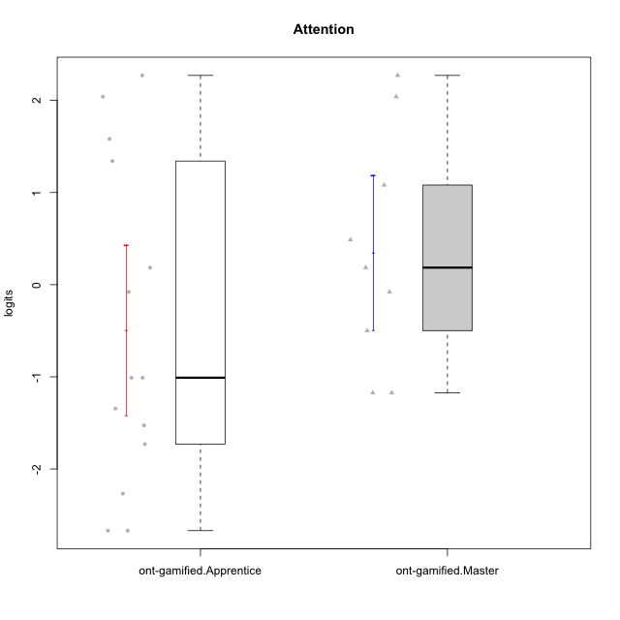

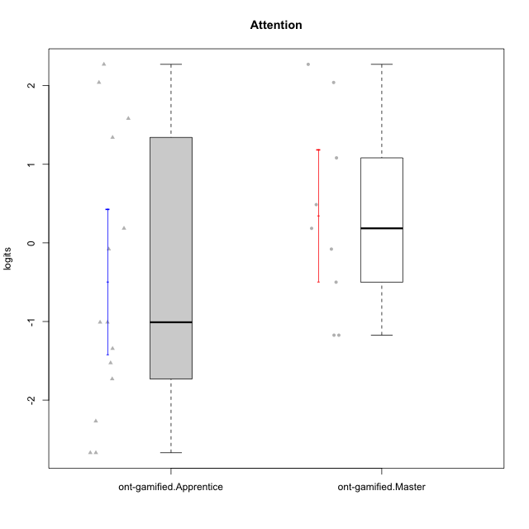

Student's t-Test data
UserID | NroUSP | Type | CLGroup | CLRole | PlayerRole | Attention | error | WLE.rel
10171 | 698531 | ont-gamified | Mafia | Master | Social Achiever | 2.2712118357 | 0.49834754633 | 0.89520330215
10175 | 10310700 | ont-gamified | Warriors | Master | Social Achiever | 2.0403929405 | 0.49100421753 | 0.89520330215
10176 | 10276949 | ont-gamified | Outlaws | Master | Social Achiever | 1.0815540259 | 0.51667274065 | 0.89520330215
10186 | 10310551 | ont-gamified | Slayers | Apprentice | Social Achiever | -1.0096041459 | 0.42130505774 | 0.89520330215
10188 | 10276995 | ont-gamified | Vandals | Master | Yee Achiever | -0.49952127718 | 0.44227228665 | 0.89520330215
10189 | 9363926 | ont-gamified | Vikings | Apprentice | Social Achiever | -2.2672414373 | 0.58812887106 | 0.89520330215
10192 | 10276682 | ont-gamified | Attractive Devils | Apprentice | Social Achiever | 1.582320316 | 0.49436392548 | 0.89520330215
10193 | 10276762 | ont-gamified | Vandals | Apprentice | Yee Achiever | -2.6694482267 | 0.69283734462 | 0.89520330215
10198 | 10310888 | ont-gamified | Attractive Devils | Apprentice | Social Achiever | 2.2712118357 | 0.49834754633 | 0.89520330215
10200 | 9795272 | ont-gamified | Warriors | Apprentice | Social Achiever | 1.3412340079 | 0.5038553678 | 0.89520330215
10202 | 10277036 | ont-gamified | Silly Knights | Apprentice | Social Achiever | -1.3441318149 | 0.43599712385 | 0.89520330215
10203 | 9921470 | ont-gamified | Mercenaries | Apprentice | Social Achiever | 2.0403929405 | 0.49100421753 | 0.89520330215
10208 | 10276932 | ont-gamified | Mercenaries | Master | Social Achiever | -1.1738858125 | 0.42554956837 | 0.89520330215
10209 | 10262669 | ont-gamified | Mafia | Apprentice | Social Achiever | -1.5267181513 | 0.45392154233 | 0.89520330215
10214 | 10277022 | ont-gamified | Vikings | Apprentice | Social Achiever | -2.6694482267 | 0.69283734462 | 0.89520330215
10215 | 9285227 | ont-gamified | Vikings | Master | Social Achiever | -1.1738858125 | 0.42554956837 | 0.89520330215
10216 | 10276720 | ont-gamified | Silly Knights | Master | Social Achiever | 0.48687881397 | 0.52840417658 | 0.89520330215
10221 | 9082496 | ont-gamified | Warriors | Apprentice | Social Achiever | -1.0096041459 | 0.42130505774 | 0.89520330215
10223 | 9795185 | ont-gamified | Slayers | Master | Social Achiever | 0.18503565573 | 0.51134033418 | 0.89520330215
10224 | 9368772 | ont-gamified | Mercenaries | Apprentice | Social Achiever | 0.18503565573 | 0.51134033418 | 0.89520330215
10228 | 10310492 | ont-gamified | Resistance | Apprentice | Social Achiever | -1.730502769 | 0.48169872958 | 0.89520330215
10230 | 10351992 | ont-gamified | Resistance | Master | Social Achiever | -0.078798779857 | 0.48536662511 | 0.89520330215
10237 | 10377688 | ont-gamified | Outlaws | Apprentice | Social Achiever | -0.078798779857 | 0.48536662511 | 0.89520330215

Type_CLRole_2
Student's t-Test for Attention in Type:CLRole between ont-gamified.Apprentice:w/o-gamified.Apprentice

Student's t-Test results
Alternative hypothesis: less
Group | N | Mean | Mean.Difference | Std.deviation | Std.error | CI.lower | CI.upper | df | t.value | p.value | g | magnitude
ont-gamified.Apprentice | 14 | -0.49180735297 | -1.2042442811 | 1.7285286891 | 0.46196872414 | -1.4157448012 | 0.4321300953 | 24.304667596 | -2.1157411321 | 0.022399269483 | -0.76681367361 | medium
w/o-gamified.Apprentice | 16 | 0.7124369281 | 1.2042442811 | 1.3299888638 | 0.33249721595 | 0.047442496197 | 1.37743136 | 24.304667596 | -2.1157411321 | 0.022399269483 | -0.76681367361 | medium
Alternative hypothesis: greater
Group | N | Mean | Mean.Difference | Std.deviation | Std.error | CI.lower | CI.upper | df | t.value | p.value | g | magnitude
ont-gamified.Apprentice | 14 | -0.49180735297 | -1.2042442811 | 1.7285286891 | 0.46196872414 | -1.4157448012 | 0.4321300953 | 24.304667596 | -2.1157411321 | 0.97760073052 | -0.76681367361 | medium
w/o-gamified.Apprentice | 16 | 0.7124369281 | 1.2042442811 | 1.3299888638 | 0.33249721595 | 0.047442496197 | 1.37743136 | 24.304667596 | -2.1157411321 | 0.97760073052 | -0.76681367361 | medium
Alternative hypothesis: two.sided
Group | N | Mean | Mean.Difference | Std.deviation | Std.error | CI.lower | CI.upper | df | t.value | p.value | g | magnitude
ont-gamified.Apprentice | 14 | -0.49180735297 | -1.2042442811 | 1.7285286891 | 0.46196872414 | -1.4157448012 | 0.4321300953 | 24.304667596 | -2.1157411321 | 0.044798538966 | -0.76681367361 | medium
w/o-gamified.Apprentice | 16 | 0.7124369281 | 1.2042442811 | 1.3299888638 | 0.33249721595 | 0.047442496197 | 1.37743136 | 24.304667596 | -2.1157411321 | 0.044798538966 | -0.76681367361 | medium

Box plots for Student's t-Test
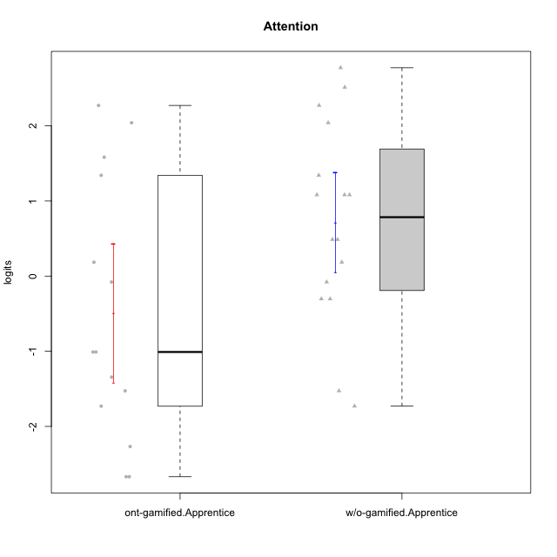

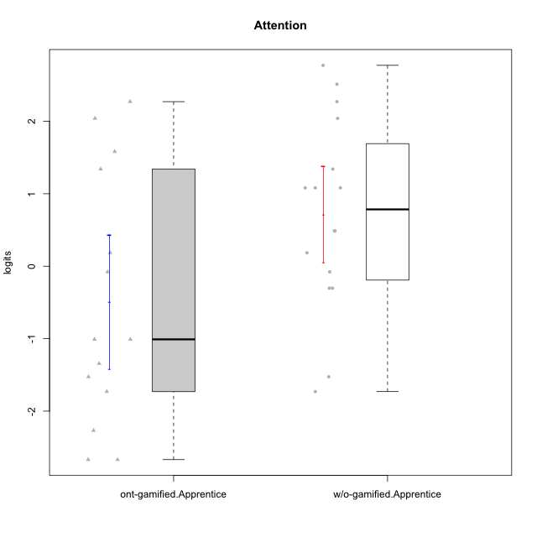

Student's t-Test data
UserID | NroUSP | Type | CLGroup | CLRole | PlayerRole | Attention | error | WLE.rel
10170 | 10260351 | w/o-gamified | Grupo11 | Apprentice |  | 2.2712118357 | 0.49834754633 | 0.89520330215
10172 | 10273971 | w/o-gamified | Grupo5 | Apprentice |  | 2.0403929405 | 0.49100421753 | 0.89520330215
10181 | 10276866 | w/o-gamified | Grupo2 | Apprentice |  | 0.48687881397 | 0.52840417658 | 0.89520330215
10183 | 10352030 | w/o-gamified | Grupo3 | Apprentice |  | -1.5267181513 | 0.45392154233 | 0.89520330215
10184 | 10276675 | w/o-gamified | Grupo10 | Apprentice |  | -0.30322746604 | 0.46103443891 | 0.89520330215
10185 | 10276960 | w/o-gamified | Grupo9 | Apprentice |  | -0.30322746604 | 0.46103443891 | 0.89520330215
10186 | 10310551 | ont-gamified | Slayers | Apprentice | Social Achiever | -1.0096041459 | 0.42130505774 | 0.89520330215
10189 | 9363926 | ont-gamified | Vikings | Apprentice | Social Achiever | -2.2672414373 | 0.58812887106 | 0.89520330215
10190 | 10276907 | w/o-gamified | Grupo4 | Apprentice |  | 1.3412340079 | 0.5038553678 | 0.89520330215
10192 | 10276682 | ont-gamified | Attractive Devils | Apprentice | Social Achiever | 1.582320316 | 0.49436392548 | 0.89520330215
10193 | 10276762 | ont-gamified | Vandals | Apprentice | Yee Achiever | -2.6694482267 | 0.69283734462 | 0.89520330215
10197 | 10276661 | w/o-gamified | Grupo8 | Apprentice |  | 1.0815540259 | 0.51667274065 | 0.89520330215
10198 | 10310888 | ont-gamified | Attractive Devils | Apprentice | Social Achiever | 2.2712118357 | 0.49834754633 | 0.89520330215
10199 | 10276737 | w/o-gamified | Grupo1 | Apprentice |  | -0.078798779857 | 0.48536662511 | 0.89520330215
10200 | 9795272 | ont-gamified | Warriors | Apprentice | Social Achiever | 1.3412340079 | 0.5038553678 | 0.89520330215
10201 | 10276928 | w/o-gamified | Grupo11 | Apprentice |  | 2.5124784539 | 0.51284607017 | 0.89520330215
10202 | 10277036 | ont-gamified | Silly Knights | Apprentice | Social Achiever | -1.3441318149 | 0.43599712385 | 0.89520330215
10203 | 9921470 | ont-gamified | Mercenaries | Apprentice | Social Achiever | 2.0403929405 | 0.49100421753 | 0.89520330215
10206 | 10310721 | w/o-gamified | Grupo8 | Apprentice |  | 1.0815540259 | 0.51667274065 | 0.89520330215
10209 | 10262669 | ont-gamified | Mafia | Apprentice | Social Achiever | -1.5267181513 | 0.45392154233 | 0.89520330215
10213 | 10277040 | w/o-gamified | Grupo7 | Apprentice |  | 2.7726928823 | 0.53627771598 | 0.89520330215
10214 | 10277022 | ont-gamified | Vikings | Apprentice | Social Achiever | -2.6694482267 | 0.69283734462 | 0.89520330215
10217 | 9805341 | w/o-gamified | Grupo9 | Apprentice |  | 0.48687881397 | 0.52840417658 | 0.89520330215
10218 | 9842913 | w/o-gamified | Grupo10 | Apprentice |  | 0.18503565573 | 0.51134033418 | 0.89520330215
10221 | 9082496 | ont-gamified | Warriors | Apprentice | Social Achiever | -1.0096041459 | 0.42130505774 | 0.89520330215
10224 | 9368772 | ont-gamified | Mercenaries | Apprentice | Social Achiever | 0.18503565573 | 0.51134033418 | 0.89520330215
10226 | 10310342 | w/o-gamified | Grupo4 | Apprentice |  | -1.730502769 | 0.48169872958 | 0.89520330215
10228 | 10310492 | ont-gamified | Resistance | Apprentice | Social Achiever | -1.730502769 | 0.48169872958 | 0.89520330215
10232 | 10276974 | w/o-gamified | Grupo7 | Apprentice |  | 1.0815540259 | 0.51667274065 | 0.89520330215
10237 | 10377688 | ont-gamified | Outlaws | Apprentice | Social Achiever | -0.078798779857 | 0.48536662511 | 0.89520330215

Type_CLRole_3
Student's t-Test for Attention in Type:CLRole between ont-gamified.Apprentice:w/o-gamified.Master

Student's t-Test results
Alternative hypothesis: less
Group | N | Mean | Mean.Difference | Std.deviation | Std.error | CI.lower | CI.upper | df | t.value | p.value | g | magnitude
ont-gamified.Apprentice | 14 | -0.49180735297 | -0.52584550921 | 1.7285286891 | 0.46196872414 | -1.4157448012 | 0.4321300953 | 17.924533036 | -0.79491546558 | 0.21853120713 | -0.31557028497 | small
w/o-gamified.Master | 8 | 0.034038156236 | 0.52584550921 | 1.3391997861 | 0.47347862504 | -0.91291909385 | 0.98099540632 | 17.924533036 | -0.79491546558 | 0.21853120713 | -0.31557028497 | small
Alternative hypothesis: greater
Group | N | Mean | Mean.Difference | Std.deviation | Std.error | CI.lower | CI.upper | df | t.value | p.value | g | magnitude
ont-gamified.Apprentice | 14 | -0.49180735297 | -0.52584550921 | 1.7285286891 | 0.46196872414 | -1.4157448012 | 0.4321300953 | 17.924533036 | -0.79491546558 | 0.78146879287 | -0.31557028497 | small
w/o-gamified.Master | 8 | 0.034038156236 | 0.52584550921 | 1.3391997861 | 0.47347862504 | -0.91291909385 | 0.98099540632 | 17.924533036 | -0.79491546558 | 0.78146879287 | -0.31557028497 | small
Alternative hypothesis: two.sided
Group | N | Mean | Mean.Difference | Std.deviation | Std.error | CI.lower | CI.upper | df | t.value | p.value | g | magnitude
ont-gamified.Apprentice | 14 | -0.49180735297 | -0.52584550921 | 1.7285286891 | 0.46196872414 | -1.4157448012 | 0.4321300953 | 17.924533036 | -0.79491546558 | 0.43706241427 | -0.31557028497 | small
w/o-gamified.Master | 8 | 0.034038156236 | 0.52584550921 | 1.3391997861 | 0.47347862504 | -0.91291909385 | 0.98099540632 | 17.924533036 | -0.79491546558 | 0.43706241427 | -0.31557028497 | small

Box plots for Student's t-Test
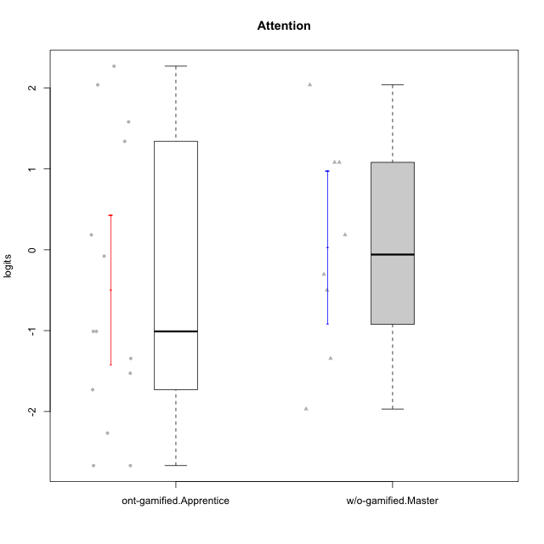

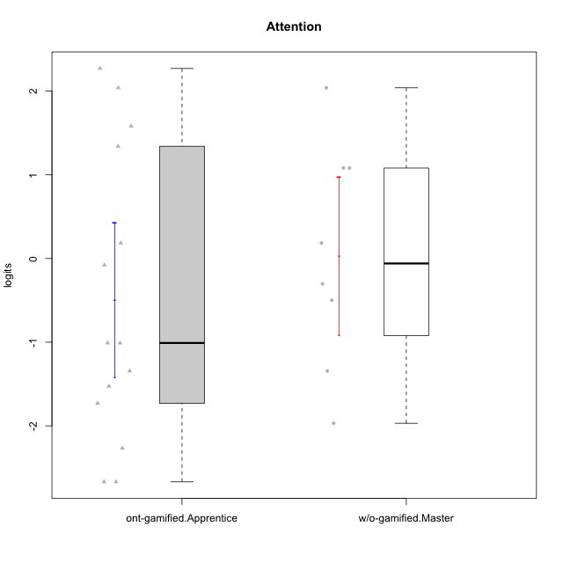

Student's t-Test data
UserID | NroUSP | Type | CLGroup | CLRole | PlayerRole | Attention | error | WLE.rel
10174 | 10276852 | w/o-gamified | Grupo7 | Master |  | 1.0815540259 | 0.51667274065 | 0.89520330215
10179 | 10310759 | w/o-gamified | Grupo10 | Master |  | -0.30322746604 | 0.46103443891 | 0.89520330215
10186 | 10310551 | ont-gamified | Slayers | Apprentice | Social Achiever | -1.0096041459 | 0.42130505774 | 0.89520330215
10189 | 9363926 | ont-gamified | Vikings | Apprentice | Social Achiever | -2.2672414373 | 0.58812887106 | 0.89520330215
10191 | 10276981 | w/o-gamified | Grupo1 | Master |  | -0.49952127718 | 0.44227228665 | 0.89520330215
10192 | 10276682 | ont-gamified | Attractive Devils | Apprentice | Social Achiever | 1.582320316 | 0.49436392548 | 0.89520330215
10193 | 10276762 | ont-gamified | Vandals | Apprentice | Yee Achiever | -2.6694482267 | 0.69283734462 | 0.89520330215
10198 | 10310888 | ont-gamified | Attractive Devils | Apprentice | Social Achiever | 2.2712118357 | 0.49834754633 | 0.89520330215
10200 | 9795272 | ont-gamified | Warriors | Apprentice | Social Achiever | 1.3412340079 | 0.5038553678 | 0.89520330215
10202 | 10277036 | ont-gamified | Silly Knights | Apprentice | Social Achiever | -1.3441318149 | 0.43599712385 | 0.89520330215
10203 | 9921470 | ont-gamified | Mercenaries | Apprentice | Social Achiever | 2.0403929405 | 0.49100421753 | 0.89520330215
10209 | 10262669 | ont-gamified | Mafia | Apprentice | Social Achiever | -1.5267181513 | 0.45392154233 | 0.89520330215
10214 | 10277022 | ont-gamified | Vikings | Apprentice | Social Achiever | -2.6694482267 | 0.69283734462 | 0.89520330215
10219 | 10276831 | w/o-gamified | Grupo3 | Master |  | -1.3441318149 | 0.43599712385 | 0.89520330215
10221 | 9082496 | ont-gamified | Warriors | Apprentice | Social Achiever | -1.0096041459 | 0.42130505774 | 0.89520330215
10224 | 9368772 | ont-gamified | Mercenaries | Apprentice | Social Achiever | 0.18503565573 | 0.51134033418 | 0.89520330215
10227 | 9274382 | w/o-gamified | Grupo5 | Master |  | 2.0403929405 | 0.49100421753 | 0.89520330215
10228 | 10310492 | ont-gamified | Resistance | Apprentice | Social Achiever | -1.730502769 | 0.48169872958 | 0.89520330215
10231 | 10276911 | w/o-gamified | Grupo9 | Master |  | 0.18503565573 | 0.51134033418 | 0.89520330215
10234 | 10310676 | w/o-gamified | Grupo4 | Master |  | -1.9693508401 | 0.52367045741 | 0.89520330215
10237 | 10377688 | ont-gamified | Outlaws | Apprentice | Social Achiever | -0.078798779857 | 0.48536662511 | 0.89520330215
10238 | 10276953 | w/o-gamified | Grupo2 | Master |  | 1.0815540259 | 0.51667274065 | 0.89520330215

Type_CLRole_4
Student's t-Test for Attention in Type:CLRole between ont-gamified.Master:w/o-gamified.Apprentice

Student's t-Test results
Alternative hypothesis: less
Group | N | Mean | Mean.Difference | Std.deviation | Std.error | CI.lower | CI.upper | df | t.value | p.value | g | magnitude
ont-gamified.Master | 9 | 0.3487757322 | -0.36366119589 | 1.2589480128 | 0.4196493376 | -0.49052294301 | 1.1880744074 | 17.515624995 | -0.67922465316 | 0.2529363886 | -0.26933266485 | small
w/o-gamified.Apprentice | 16 | 0.7124369281 | 0.36366119589 | 1.3299888638 | 0.33249721595 | 0.047442496197 | 1.37743136 | 17.515624995 | -0.67922465316 | 0.2529363886 | -0.26933266485 | small
Alternative hypothesis: greater
Group | N | Mean | Mean.Difference | Std.deviation | Std.error | CI.lower | CI.upper | df | t.value | p.value | g | magnitude
ont-gamified.Master | 9 | 0.3487757322 | -0.36366119589 | 1.2589480128 | 0.4196493376 | -0.49052294301 | 1.1880744074 | 17.515624995 | -0.67922465316 | 0.7470636114 | -0.26933266485 | small
w/o-gamified.Apprentice | 16 | 0.7124369281 | 0.36366119589 | 1.3299888638 | 0.33249721595 | 0.047442496197 | 1.37743136 | 17.515624995 | -0.67922465316 | 0.7470636114 | -0.26933266485 | small
Alternative hypothesis: two.sided
Group | N | Mean | Mean.Difference | Std.deviation | Std.error | CI.lower | CI.upper | df | t.value | p.value | g | magnitude
ont-gamified.Master | 9 | 0.3487757322 | -0.36366119589 | 1.2589480128 | 0.4196493376 | -0.49052294301 | 1.1880744074 | 17.515624995 | -0.67922465316 | 0.50587277721 | -0.26933266485 | small
w/o-gamified.Apprentice | 16 | 0.7124369281 | 0.36366119589 | 1.3299888638 | 0.33249721595 | 0.047442496197 | 1.37743136 | 17.515624995 | -0.67922465316 | 0.50587277721 | -0.26933266485 | small

Box plots for Student's t-Test
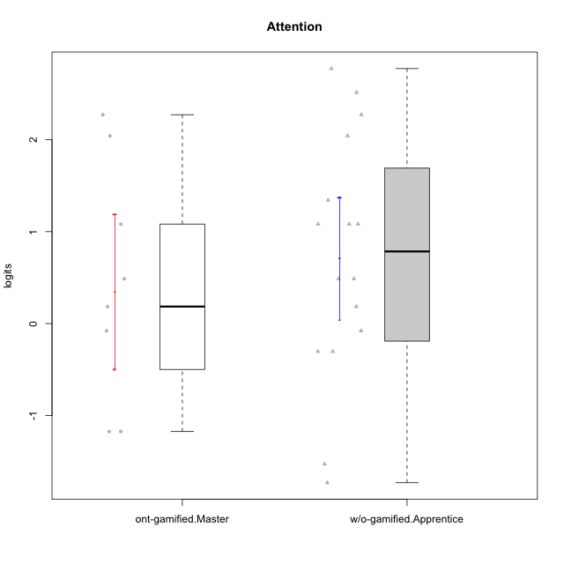

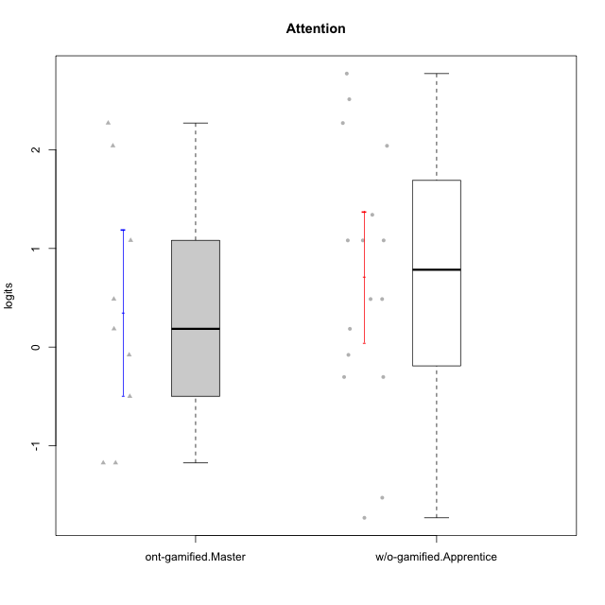

Student's t-Test data
UserID | NroUSP | Type | CLGroup | CLRole | PlayerRole | Attention | error | WLE.rel
10170 | 10260351 | w/o-gamified | Grupo11 | Apprentice |  | 2.2712118357 | 0.49834754633 | 0.89520330215
10171 | 698531 | ont-gamified | Mafia | Master | Social Achiever | 2.2712118357 | 0.49834754633 | 0.89520330215
10172 | 10273971 | w/o-gamified | Grupo5 | Apprentice |  | 2.0403929405 | 0.49100421753 | 0.89520330215
10175 | 10310700 | ont-gamified | Warriors | Master | Social Achiever | 2.0403929405 | 0.49100421753 | 0.89520330215
10176 | 10276949 | ont-gamified | Outlaws | Master | Social Achiever | 1.0815540259 | 0.51667274065 | 0.89520330215
10181 | 10276866 | w/o-gamified | Grupo2 | Apprentice |  | 0.48687881397 | 0.52840417658 | 0.89520330215
10183 | 10352030 | w/o-gamified | Grupo3 | Apprentice |  | -1.5267181513 | 0.45392154233 | 0.89520330215
10184 | 10276675 | w/o-gamified | Grupo10 | Apprentice |  | -0.30322746604 | 0.46103443891 | 0.89520330215
10185 | 10276960 | w/o-gamified | Grupo9 | Apprentice |  | -0.30322746604 | 0.46103443891 | 0.89520330215
10188 | 10276995 | ont-gamified | Vandals | Master | Yee Achiever | -0.49952127718 | 0.44227228665 | 0.89520330215
10190 | 10276907 | w/o-gamified | Grupo4 | Apprentice |  | 1.3412340079 | 0.5038553678 | 0.89520330215
10197 | 10276661 | w/o-gamified | Grupo8 | Apprentice |  | 1.0815540259 | 0.51667274065 | 0.89520330215
10199 | 10276737 | w/o-gamified | Grupo1 | Apprentice |  | -0.078798779857 | 0.48536662511 | 0.89520330215
10201 | 10276928 | w/o-gamified | Grupo11 | Apprentice |  | 2.5124784539 | 0.51284607017 | 0.89520330215
10206 | 10310721 | w/o-gamified | Grupo8 | Apprentice |  | 1.0815540259 | 0.51667274065 | 0.89520330215
10208 | 10276932 | ont-gamified | Mercenaries | Master | Social Achiever | -1.1738858125 | 0.42554956837 | 0.89520330215
10213 | 10277040 | w/o-gamified | Grupo7 | Apprentice |  | 2.7726928823 | 0.53627771598 | 0.89520330215
10215 | 9285227 | ont-gamified | Vikings | Master | Social Achiever | -1.1738858125 | 0.42554956837 | 0.89520330215
10216 | 10276720 | ont-gamified | Silly Knights | Master | Social Achiever | 0.48687881397 | 0.52840417658 | 0.89520330215
10217 | 9805341 | w/o-gamified | Grupo9 | Apprentice |  | 0.48687881397 | 0.52840417658 | 0.89520330215
10218 | 9842913 | w/o-gamified | Grupo10 | Apprentice |  | 0.18503565573 | 0.51134033418 | 0.89520330215
10223 | 9795185 | ont-gamified | Slayers | Master | Social Achiever | 0.18503565573 | 0.51134033418 | 0.89520330215
10226 | 10310342 | w/o-gamified | Grupo4 | Apprentice |  | -1.730502769 | 0.48169872958 | 0.89520330215
10230 | 10351992 | ont-gamified | Resistance | Master | Social Achiever | -0.078798779857 | 0.48536662511 | 0.89520330215
10232 | 10276974 | w/o-gamified | Grupo7 | Apprentice |  | 1.0815540259 | 0.51667274065 | 0.89520330215

Type_CLRole_5
Student's t-Test for Attention in Type:CLRole between ont-gamified.Master:w/o-gamified.Master

Student's t-Test results
Alternative hypothesis: less
Group | N | Mean | Mean.Difference | Std.deviation | Std.error | CI.lower | CI.upper | df | t.value | p.value | g | magnitude
ont-gamified.Master | 9 | 0.3487757322 | 0.31473757597 | 1.2589480128 | 0.4196493376 | -0.49052294301 | 1.1880744074 | 14.492203412 | 0.4974650117 | 0.68683808846 | 0.23032388121 | small
w/o-gamified.Master | 8 | 0.034038156236 | -0.31473757597 | 1.3391997861 | 0.47347862504 | -0.91291909385 | 0.98099540632 | 14.492203412 | 0.4974650117 | 0.68683808846 | 0.23032388121 | small
Alternative hypothesis: greater
Group | N | Mean | Mean.Difference | Std.deviation | Std.error | CI.lower | CI.upper | df | t.value | p.value | g | magnitude
ont-gamified.Master | 9 | 0.3487757322 | 0.31473757597 | 1.2589480128 | 0.4196493376 | -0.49052294301 | 1.1880744074 | 14.492203412 | 0.4974650117 | 0.31316191154 | 0.23032388121 | small
w/o-gamified.Master | 8 | 0.034038156236 | -0.31473757597 | 1.3391997861 | 0.47347862504 | -0.91291909385 | 0.98099540632 | 14.492203412 | 0.4974650117 | 0.31316191154 | 0.23032388121 | small
Alternative hypothesis: two.sided
Group | N | Mean | Mean.Difference | Std.deviation | Std.error | CI.lower | CI.upper | df | t.value | p.value | g | magnitude
ont-gamified.Master | 9 | 0.3487757322 | 0.31473757597 | 1.2589480128 | 0.4196493376 | -0.49052294301 | 1.1880744074 | 14.492203412 | 0.4974650117 | 0.62632382309 | 0.23032388121 | small
w/o-gamified.Master | 8 | 0.034038156236 | -0.31473757597 | 1.3391997861 | 0.47347862504 | -0.91291909385 | 0.98099540632 | 14.492203412 | 0.4974650117 | 0.62632382309 | 0.23032388121 | small

Box plots for Student's t-Test
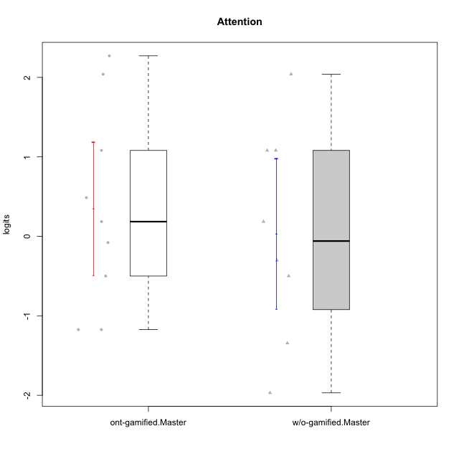

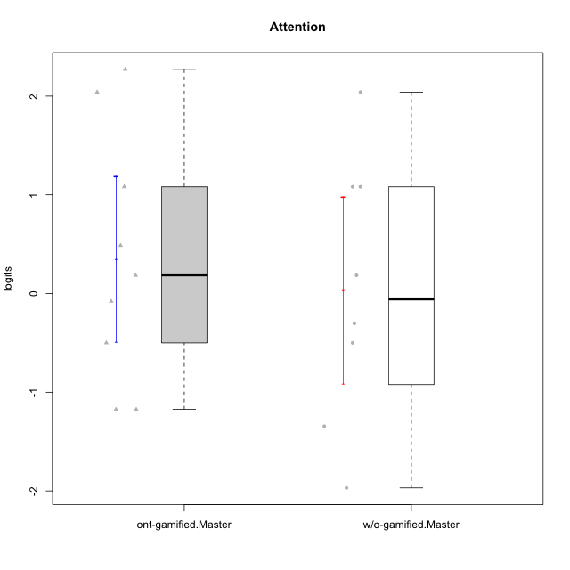

Student's t-Test data
UserID | NroUSP | Type | CLGroup | CLRole | PlayerRole | Attention | error | WLE.rel
10171 | 698531 | ont-gamified | Mafia | Master | Social Achiever | 2.2712118357 | 0.49834754633 | 0.89520330215
10174 | 10276852 | w/o-gamified | Grupo7 | Master |  | 1.0815540259 | 0.51667274065 | 0.89520330215
10175 | 10310700 | ont-gamified | Warriors | Master | Social Achiever | 2.0403929405 | 0.49100421753 | 0.89520330215
10176 | 10276949 | ont-gamified | Outlaws | Master | Social Achiever | 1.0815540259 | 0.51667274065 | 0.89520330215
10179 | 10310759 | w/o-gamified | Grupo10 | Master |  | -0.30322746604 | 0.46103443891 | 0.89520330215
10188 | 10276995 | ont-gamified | Vandals | Master | Yee Achiever | -0.49952127718 | 0.44227228665 | 0.89520330215
10191 | 10276981 | w/o-gamified | Grupo1 | Master |  | -0.49952127718 | 0.44227228665 | 0.89520330215
10208 | 10276932 | ont-gamified | Mercenaries | Master | Social Achiever | -1.1738858125 | 0.42554956837 | 0.89520330215
10215 | 9285227 | ont-gamified | Vikings | Master | Social Achiever | -1.1738858125 | 0.42554956837 | 0.89520330215
10216 | 10276720 | ont-gamified | Silly Knights | Master | Social Achiever | 0.48687881397 | 0.52840417658 | 0.89520330215
10219 | 10276831 | w/o-gamified | Grupo3 | Master |  | -1.3441318149 | 0.43599712385 | 0.89520330215
10223 | 9795185 | ont-gamified | Slayers | Master | Social Achiever | 0.18503565573 | 0.51134033418 | 0.89520330215
10227 | 9274382 | w/o-gamified | Grupo5 | Master |  | 2.0403929405 | 0.49100421753 | 0.89520330215
10230 | 10351992 | ont-gamified | Resistance | Master | Social Achiever | -0.078798779857 | 0.48536662511 | 0.89520330215
10231 | 10276911 | w/o-gamified | Grupo9 | Master |  | 0.18503565573 | 0.51134033418 | 0.89520330215
10234 | 10310676 | w/o-gamified | Grupo4 | Master |  | -1.9693508401 | 0.52367045741 | 0.89520330215
10238 | 10276953 | w/o-gamified | Grupo2 | Master |  | 1.0815540259 | 0.51667274065 | 0.89520330215

Type_CLRole_6
Student's t-Test for Attention in Type:CLRole between w/o-gamified.Apprentice:w/o-gamified.Master

Student's t-Test results
Alternative hypothesis: less
Group | N | Mean | Mean.Difference | Std.deviation | Std.error | CI.lower | CI.upper | df | t.value | p.value | g | magnitude
w/o-gamified.Apprentice | 16 | 0.7124369281 | 0.67839877186 | 1.3299888638 | 0.33249721595 | 0.047442496197 | 1.37743136 | 14.015743341 | 1.1725559585 | 0.86974069633 | 0.49140421688 | small
w/o-gamified.Master | 8 | 0.034038156236 | -0.67839877186 | 1.3391997861 | 0.47347862504 | -0.91291909385 | 0.98099540632 | 14.015743341 | 1.1725559585 | 0.86974069633 | 0.49140421688 | small
Alternative hypothesis: greater
Group | N | Mean | Mean.Difference | Std.deviation | Std.error | CI.lower | CI.upper | df | t.value | p.value | g | magnitude
w/o-gamified.Apprentice | 16 | 0.7124369281 | 0.67839877186 | 1.3299888638 | 0.33249721595 | 0.047442496197 | 1.37743136 | 14.015743341 | 1.1725559585 | 0.13025930367 | 0.49140421688 | small
w/o-gamified.Master | 8 | 0.034038156236 | -0.67839877186 | 1.3391997861 | 0.47347862504 | -0.91291909385 | 0.98099540632 | 14.015743341 | 1.1725559585 | 0.13025930367 | 0.49140421688 | small
Alternative hypothesis: two.sided
Group | N | Mean | Mean.Difference | Std.deviation | Std.error | CI.lower | CI.upper | df | t.value | p.value | g | magnitude
w/o-gamified.Apprentice | 16 | 0.7124369281 | 0.67839877186 | 1.3299888638 | 0.33249721595 | 0.047442496197 | 1.37743136 | 14.015743341 | 1.1725559585 | 0.26051860735 | 0.49140421688 | small
w/o-gamified.Master | 8 | 0.034038156236 | -0.67839877186 | 1.3391997861 | 0.47347862504 | -0.91291909385 | 0.98099540632 | 14.015743341 | 1.1725559585 | 0.26051860735 | 0.49140421688 | small

Box plots for Student's t-Test
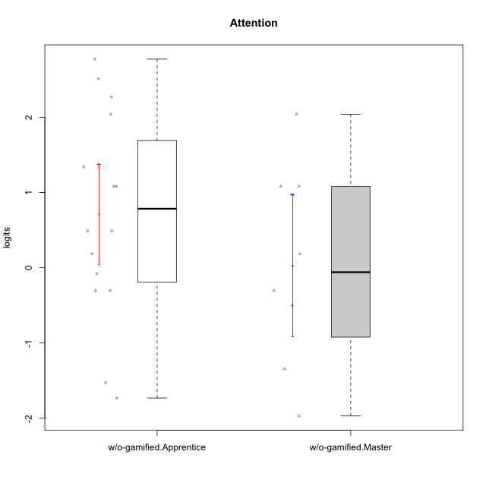

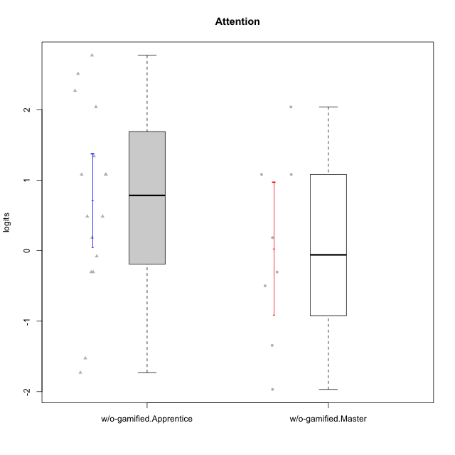

Student's t-Test data
UserID | NroUSP | Type | CLGroup | CLRole | PlayerRole | Attention | error | WLE.rel
10170 | 10260351 | w/o-gamified | Grupo11 | Apprentice |  | 2.2712118357 | 0.49834754633 | 0.89520330215
10172 | 10273971 | w/o-gamified | Grupo5 | Apprentice |  | 2.0403929405 | 0.49100421753 | 0.89520330215
10174 | 10276852 | w/o-gamified | Grupo7 | Master |  | 1.0815540259 | 0.51667274065 | 0.89520330215
10179 | 10310759 | w/o-gamified | Grupo10 | Master |  | -0.30322746604 | 0.46103443891 | 0.89520330215
10181 | 10276866 | w/o-gamified | Grupo2 | Apprentice |  | 0.48687881397 | 0.52840417658 | 0.89520330215
10183 | 10352030 | w/o-gamified | Grupo3 | Apprentice |  | -1.5267181513 | 0.45392154233 | 0.89520330215
10184 | 10276675 | w/o-gamified | Grupo10 | Apprentice |  | -0.30322746604 | 0.46103443891 | 0.89520330215
10185 | 10276960 | w/o-gamified | Grupo9 | Apprentice |  | -0.30322746604 | 0.46103443891 | 0.89520330215
10190 | 10276907 | w/o-gamified | Grupo4 | Apprentice |  | 1.3412340079 | 0.5038553678 | 0.89520330215
10191 | 10276981 | w/o-gamified | Grupo1 | Master |  | -0.49952127718 | 0.44227228665 | 0.89520330215
10197 | 10276661 | w/o-gamified | Grupo8 | Apprentice |  | 1.0815540259 | 0.51667274065 | 0.89520330215
10199 | 10276737 | w/o-gamified | Grupo1 | Apprentice |  | -0.078798779857 | 0.48536662511 | 0.89520330215
10201 | 10276928 | w/o-gamified | Grupo11 | Apprentice |  | 2.5124784539 | 0.51284607017 | 0.89520330215
10206 | 10310721 | w/o-gamified | Grupo8 | Apprentice |  | 1.0815540259 | 0.51667274065 | 0.89520330215
10213 | 10277040 | w/o-gamified | Grupo7 | Apprentice |  | 2.7726928823 | 0.53627771598 | 0.89520330215
10217 | 9805341 | w/o-gamified | Grupo9 | Apprentice |  | 0.48687881397 | 0.52840417658 | 0.89520330215
10218 | 9842913 | w/o-gamified | Grupo10 | Apprentice |  | 0.18503565573 | 0.51134033418 | 0.89520330215
10219 | 10276831 | w/o-gamified | Grupo3 | Master |  | -1.3441318149 | 0.43599712385 | 0.89520330215
10226 | 10310342 | w/o-gamified | Grupo4 | Apprentice |  | -1.730502769 | 0.48169872958 | 0.89520330215
10227 | 9274382 | w/o-gamified | Grupo5 | Master |  | 2.0403929405 | 0.49100421753 | 0.89520330215
10231 | 10276911 | w/o-gamified | Grupo9 | Master |  | 0.18503565573 | 0.51134033418 | 0.89520330215
10232 | 10276974 | w/o-gamified | Grupo7 | Apprentice |  | 1.0815540259 | 0.51667274065 | 0.89520330215
10234 | 10310676 | w/o-gamified | Grupo4 | Master |  | -1.9693508401 | 0.52367045741 | 0.89520330215
10238 | 10276953 | w/o-gamified | Grupo2 | Master |  | 1.0815540259 | 0.51667274065 | 0.89520330215

