Assumptions
ANOVA assumptions for Interest/Enjoyment

Shapiro-Wilk normality test for Interest/Enjoyment
W | p.value
0.97004999138 | 0.30387357532

Plots for normality test
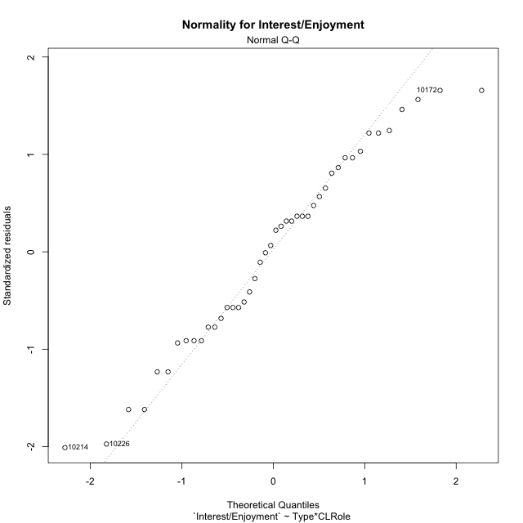

Levene's Test for Homogeneity of Variance in Interest/Enjoyment
Df | F value | Pr(>F)
3 | 1.7948288349 | 0.16367459737
40

Plots for homogeneity of variance
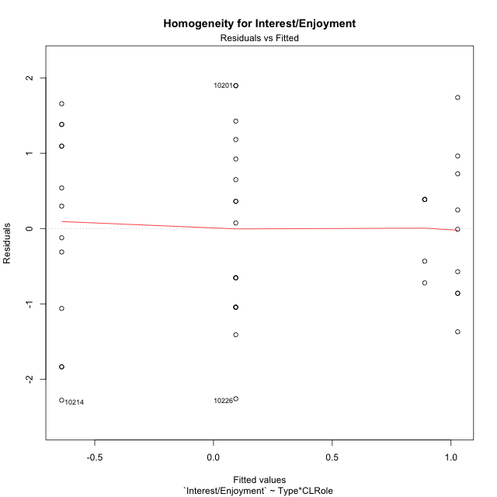

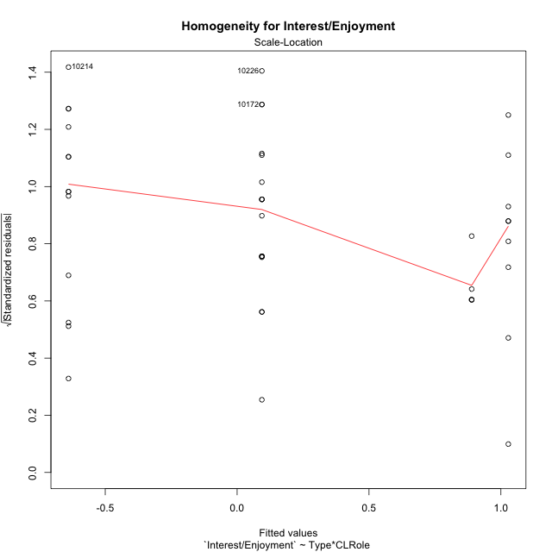

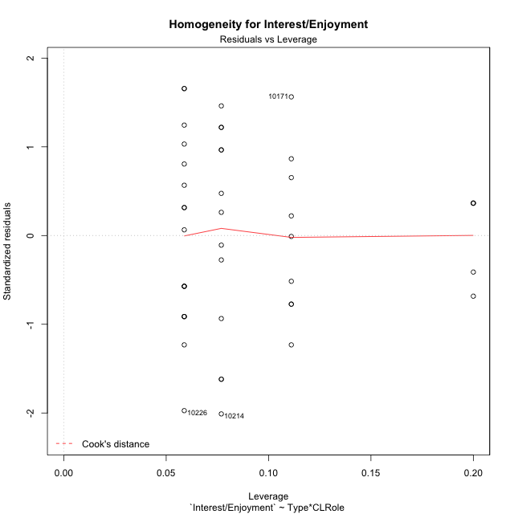

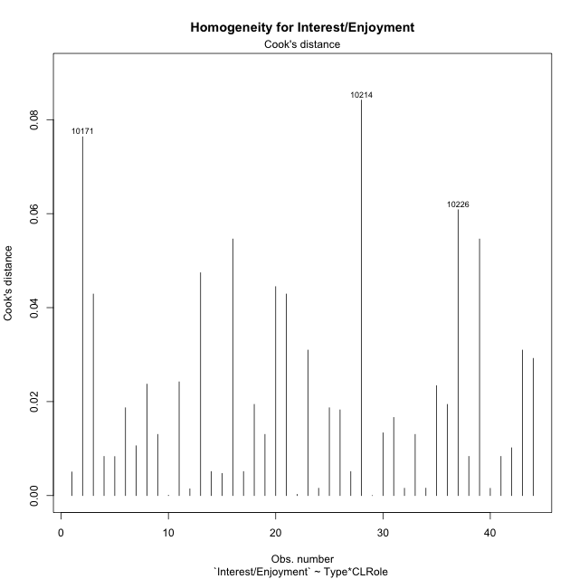

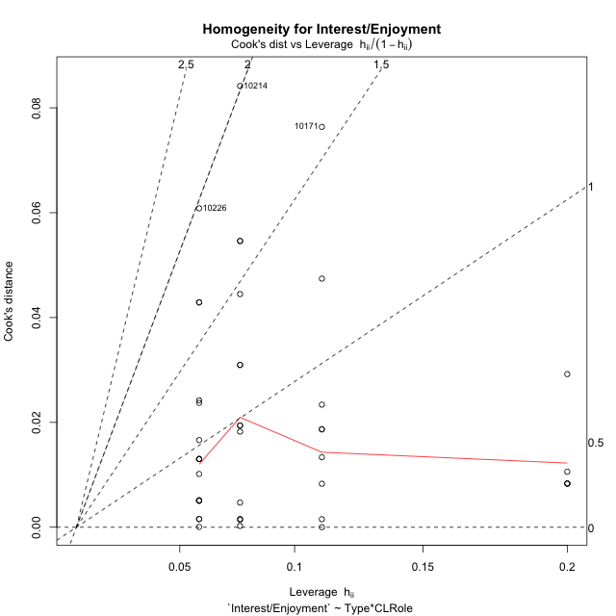

Minimum Sample Size Test for Interest/Enjoyment
Type | CLRole | Freq
ont-gamified | Apprentice | 13
w/o-gamified | Apprentice | 17
ont-gamified | Master | 9
w/o-gamified | Master | 5

Errors and Warnings in Sample Size Test for ANOVA in Interest/Enjoyment
code | description
WARN: sample.size | current.size is = 13 and recommended.size must be = 15 for the group: 'ont-gamified:Apprentice'. Size sample for parametric test isn't recomended
WARN: sample.size | current.size is = 9 and recommended.size must be = 15 for the group: 'ont-gamified:Master'. Size sample for parametric test isn't recomended
WARN: sample.size | current.size is = 5 and recommended.size must be = 15 for the group: 'w/o-gamified:Master'. Size sample for parametric test isn't recomended

For the group: 'ont-gamified:Apprentice', we recommend the use of non parametric test. For the group: 'w/o-gamified:Apprentice', you can perform a parametric test with a non-normal distribution For the group: 'ont-gamified:Master', we recommend the use of non parametric test. For the group: 'w/o-gamified:Master', we recommend the use of non parametric test.

If you don't want to remove non-normal data, you must cite the following references: ... (1) Lix, L.M., J.C. Keselman, and H.J. Keselman. 1996. Consequences of assumption violations revisited: A quantitative review of alternatives to the one-way analysis of variance F test. Rev. Educ. Res. 66: 579-619. ... (2) Harwell, M.R., E.N. Rubinstein, W.S. Hayes, and C.C. Olds. 1992. Summarizing Monte Carlo results in methodological research: the one- and two-factor fixed effects ANOVA cases. J. Educ. Stat. 17: 315-339.

Post-hoc
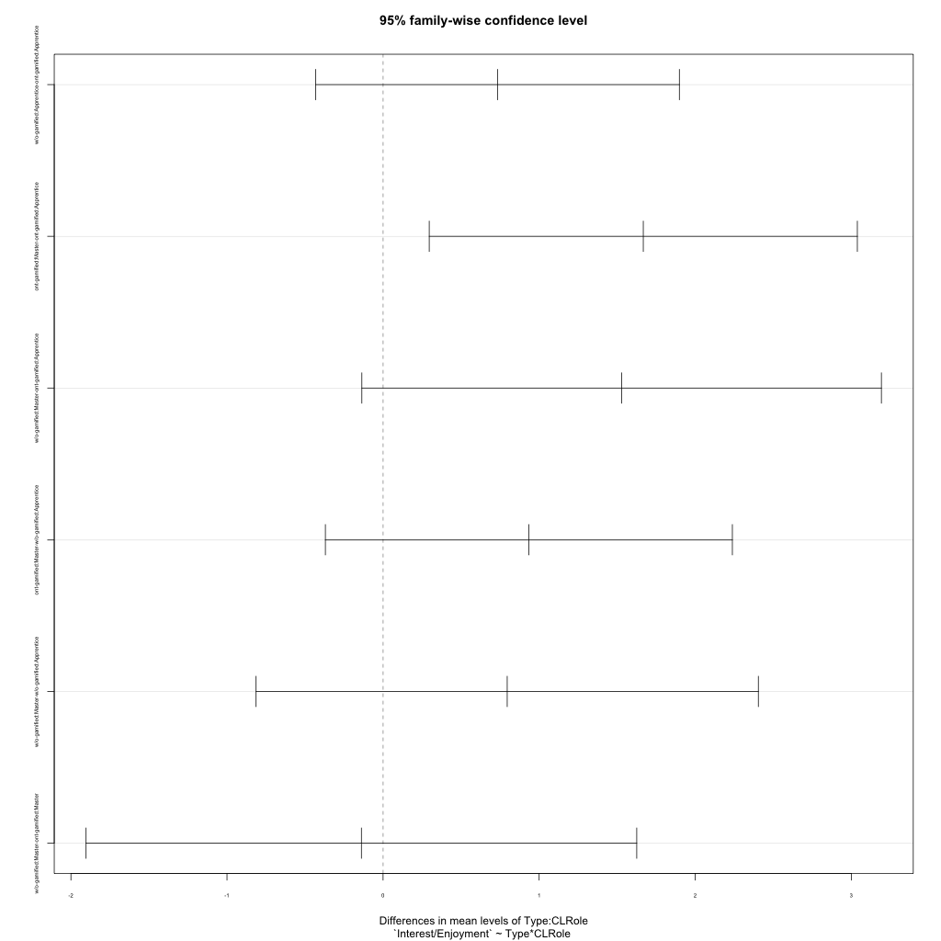
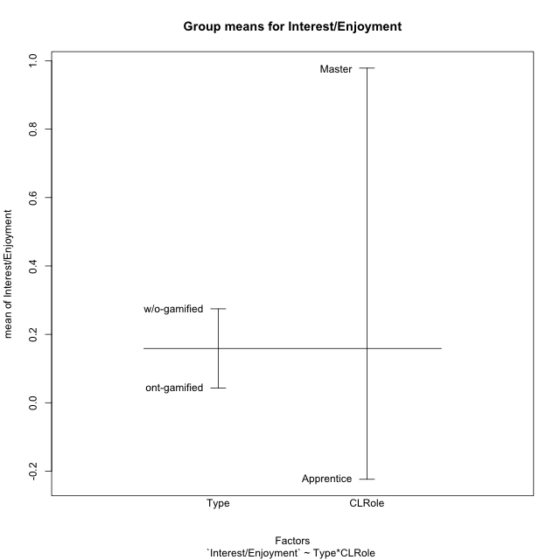
Post-hoc Tukey Honestly Significant Difference (HSD) Test for Interest/Enjoyment

Comparisons of means for Type
 | diff | lwr | upr | p adj
w/o-gamified-ont-gamified | 0.23178008101 | -0.48728976578 | 0.95084992779 | 0.51847538067

Comparisons of means for CLRole
 | diff | lwr | upr | p adj
Master-Apprentice | 1.2509143594 | 0.47900001185 | 2.0228287069 | 0.0021846557564

Comparisons of means for Type:CLRole
 | diff | lwr | upr | p adj
w/o-gamified:Apprentice-ont-gamified:Apprentice | 0.73309969708 | -0.43223891893 | 1.8984383131 | 0.34417178995
ont-gamified:Master-ont-gamified:Apprentice | 1.6673538959 | 0.29582154162 | 3.0388862501 | 0.011783340789
w/o-gamified:Master-ont-gamified:Apprentice | 1.5285303989 | -0.13590606537 | 3.1929668631 | 0.081824968961
ont-gamified:Master-w/o-gamified:Apprentice | 0.93425419877 | -0.36959872751 | 2.2381071251 | 0.23582550811
w/o-gamified:Master-w/o-gamified:Apprentice | 0.7954307018 | -0.81369334507 | 2.4045547487 | 0.55282914606
w/o-gamified:Master-ont-gamified:Master | -0.13882349697 | -1.9030137098 | 1.6253667158 | 0.99662785562

Contrast Matrices for Interest/Enjoyment - Type
contrast | estimate | SE | df | t.ratio | p.value
ont-gamified - w/o-gamified | -0.29713810006 | 0.39440239361 | 40 | -0.75338817631 | 0.45562847117

Contrast Matrices for Interest/Enjoyment - Type:CLRole
contrast | CLRole | estimate | SE | df | t.ratio | p.value
ont-gamified - w/o-gamified | Apprentice | -0.73309969708 | 0.43475981649 | 40 | -1.6862176983 | 0.099539934693
ont-gamified - w/o-gamified | Master | 0.13882349697 | 0.65817694757 | 40 | 0.21092123855 | 0.83401960586

Least Squares Means and Confidence Intervals for Type
Type | lsmean | SE | df | lower.CL | upper.CL | Pairs
ont-gamified | 0.19445136566 | 0.2558428711 | 40 | -0.3226263649 | 0.71152909622 | ont-gamified
w/o-gamified | 0.49158946572 | 0.30016274485 | 40 | -0.11506207099 | 1.0982410024 | w/o-gamified

Least Squares Means and Confidence Intervals for Type:CLRole
Type | CLRole | lsmean | SE | df | lower.CL | upper.CL | Pairs
ont-gamified | Apprentice | -0.63922558227 | 0.32727530035 | 40 | -1.3006736377 | 0.022222473132 | ont-gamified.Apprentice
w/o-gamified | Apprentice | 0.093874114817 | 0.2861939479 | 40 | -0.48454543014 | 0.67229365978 | w/o-gamified.Apprentice
ont-gamified | Master | 1.0281283136 | 0.39333595887 | 40 | 0.23316668699 | 1.8230899402 | ont-gamified.Master
w/o-gamified | Master | 0.88930481662 | 0.52771556522 | 40 | -0.17724812533 | 1.9558577586 | w/o-gamified.Master

Plots

Type_1
Student's t-Test for Interest/Enjoyment in Type between ont-gamified:w/o-gamified

Student's t-Test results
Alternative hypothesis: less
Group | N | Mean | Mean.Difference | Std.deviation | Std.error | CI.lower | CI.upper | df | t.value | p.value | g | magnitude
ont-gamified | 22 | 0.042873738765 | -0.23178008101 | 1.4722320445 | 0.31388092654 | -0.58488811431 | 0.67063559184 | 39.560997349 | -0.5833849944 | 0.28147274246 | -0.17273736423 | negligible
w/o-gamified | 22 | 0.27465381977 | 0.23178008101 | 1.1424578007 | 0.24357282152 | -0.21249182327 | 0.76179946282 | 39.560997349 | -0.5833849944 | 0.28147274246 | -0.17273736423 | negligible
Alternative hypothesis: greater
Group | N | Mean | Mean.Difference | Std.deviation | Std.error | CI.lower | CI.upper | df | t.value | p.value | g | magnitude
ont-gamified | 22 | 0.042873738765 | -0.23178008101 | 1.4722320445 | 0.31388092654 | -0.58488811431 | 0.67063559184 | 39.560997349 | -0.5833849944 | 0.71852725754 | -0.17273736423 | negligible
w/o-gamified | 22 | 0.27465381977 | 0.23178008101 | 1.1424578007 | 0.24357282152 | -0.21249182327 | 0.76179946282 | 39.560997349 | -0.5833849944 | 0.71852725754 | -0.17273736423 | negligible
Alternative hypothesis: two.sided
Group | N | Mean | Mean.Difference | Std.deviation | Std.error | CI.lower | CI.upper | df | t.value | p.value | g | magnitude
ont-gamified | 22 | 0.042873738765 | -0.23178008101 | 1.4722320445 | 0.31388092654 | -0.58488811431 | 0.67063559184 | 39.560997349 | -0.5833849944 | 0.56294548492 | -0.17273736423 | negligible
w/o-gamified | 22 | 0.27465381977 | 0.23178008101 | 1.1424578007 | 0.24357282152 | -0.21249182327 | 0.76179946282 | 39.560997349 | -0.5833849944 | 0.56294548492 | -0.17273736423 | negligible

Box plots for Student's t-Test
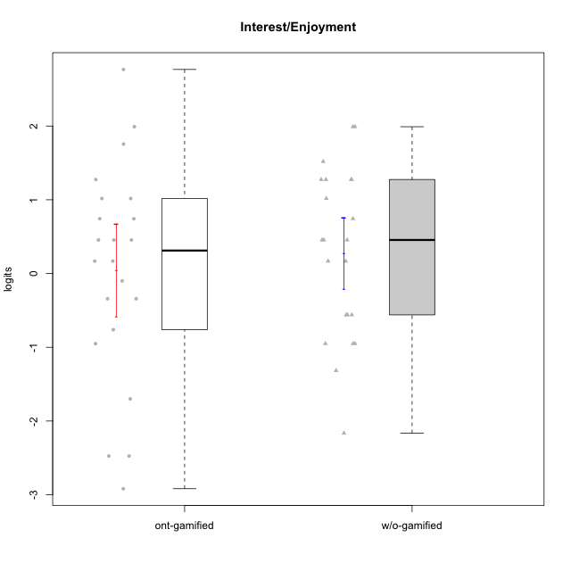

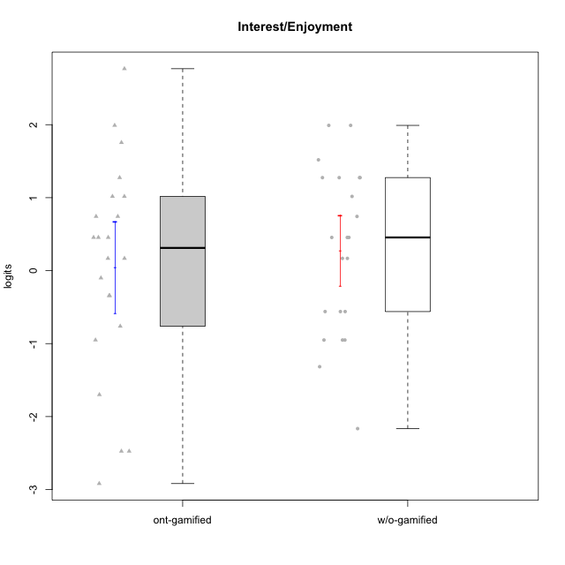

Student's t-Test data
UserID | NroUSP | Type | CLGroup | CLRole | PlayerRole | Interest/Enjoyment | error | WLE.rel
10170 | 10260351 | w/o-gamified | Grupo11 | Apprentice |  | 0.74282503242 | 0.52011196894 | 0.85798089871
10171 | 698531 | ont-gamified | Mafia | Master | Social Achiever | 2.7672373265 | 0.56403876232 | 0.85798089871
10172 | 10273971 | w/o-gamified | Grupo5 | Apprentice |  | 1.9906110408 | 0.50085145968 | 0.85798089871
10174 | 10276852 | w/o-gamified | Grupo7 | Master |  | 1.2745831746 | 0.50416063836 | 0.85798089871
10175 | 10310700 | ont-gamified | Warriors | Master | Social Achiever | 0.45486221362 | 0.52144182726 | 0.85798089871
10176 | 10276949 | ont-gamified | Outlaws | Master | Social Achiever | 0.16791234568 | 0.51293746423 | 0.85798089871
10179 | 10310759 | w/o-gamified | Grupo10 | Master |  | 0.45486221362 | 0.52144182726 | 0.85798089871
10181 | 10276866 | w/o-gamified | Grupo2 | Apprentice |  | -1.3163675753 | 0.4447506736 | 0.85798089871
10183 | 10352030 | w/o-gamified | Grupo3 | Apprentice |  | -0.95085110794 | 0.44369855542 | 0.85798089871
10184 | 10276675 | w/o-gamified | Grupo10 | Apprentice |  | 0.16791234568 | 0.51293746423 | 0.85798089871
10185 | 10276960 | w/o-gamified | Grupo9 | Apprentice |  | 1.5186440334 | 0.49824905788 | 0.85798089871
10186 | 10310551 | ont-gamified | Slayers | Apprentice | Social Achiever | -0.34237304572 | 0.47870175639 | 0.85798089871
10188 | 10276995 | ont-gamified | Vandals | Master | Yee Achiever | -0.34237304572 | 0.47870175639 | 0.85798089871
10190 | 10276907 | w/o-gamified | Grupo4 | Apprentice |  | -0.5607739336 | 0.46276258256 | 0.85798089871
10192 | 10276682 | ont-gamified | Attractive Devils | Apprentice | Social Achiever | -0.10032552079 | 0.49681521465 | 0.85798089871
10193 | 10276762 | ont-gamified | Vandals | Apprentice | Yee Achiever | -2.474691321 | 0.62098067943 | 0.85798089871
10197 | 10276661 | w/o-gamified | Grupo8 | Apprentice |  | -0.5607739336 | 0.46276258256 | 0.85798089871
10198 | 10310888 | ont-gamified | Attractive Devils | Apprentice | Social Achiever | 0.45486221362 | 0.52144182726 | 0.85798089871
10199 | 10276737 | w/o-gamified | Grupo1 | Apprentice |  | -0.95085110794 | 0.44369855542 | 0.85798089871
10200 | 9795272 | ont-gamified | Warriors | Apprentice | Social Achiever | 1.0171941972 | 0.51261094313 | 0.85798089871
10201 | 10276928 | w/o-gamified | Grupo11 | Apprentice |  | 1.9906110408 | 0.50085145968 | 0.85798089871
10202 | 10277036 | ont-gamified | Silly Knights | Apprentice | Social Achiever | -0.76156506344 | 0.45087563074 | 0.85798089871
10203 | 9921470 | ont-gamified | Mercenaries | Apprentice | Social Achiever | 0.74282503242 | 0.52011196894 | 0.85798089871
10206 | 10310721 | w/o-gamified | Grupo8 | Apprentice |  | 0.45486221362 | 0.52144182726 | 0.85798089871
10208 | 10276932 | ont-gamified | Mercenaries | Master | Social Achiever | 0.16791234568 | 0.51293746423 | 0.85798089871
10209 | 10262669 | ont-gamified | Mafia | Apprentice | Social Achiever | -1.6999199591 | 0.47133834111 | 0.85798089871
10213 | 10277040 | w/o-gamified | Grupo7 | Apprentice |  | -0.5607739336 | 0.46276258256 | 0.85798089871
10214 | 10277022 | ont-gamified | Vikings | Apprentice | Social Achiever | -2.9180839197 | 0.77503415032 | 0.85798089871
10215 | 9285227 | ont-gamified | Vikings | Master | Social Achiever | 1.0171941972 | 0.51261094313 | 0.85798089871
10216 | 10276720 | ont-gamified | Silly Knights | Master | Social Achiever | 1.7552152239 | 0.49674595255 | 0.85798089871
10217 | 9805341 | w/o-gamified | Grupo9 | Apprentice |  | 1.2745831746 | 0.50416063836 | 0.85798089871
10218 | 9842913 | w/o-gamified | Grupo10 | Apprentice |  | 0.45486221362 | 0.52144182726 | 0.85798089871
10220 | 9760151 | w/o-gamified | Grupo3 | Apprentice |  | -0.95085110794 | 0.44369855542 | 0.85798089871
10221 | 9082496 | ont-gamified | Warriors | Apprentice | Social Achiever | -0.95085110794 | 0.44369855542 | 0.85798089871
10223 | 9795185 | ont-gamified | Slayers | Master | Social Achiever | 1.9906110408 | 0.50085145968 | 0.85798089871
10224 | 9368772 | ont-gamified | Mercenaries | Apprentice | Social Achiever | 0.45486221362 | 0.52144182726 | 0.85798089871
10226 | 10310342 | w/o-gamified | Grupo4 | Apprentice |  | -2.1650026404 | 0.54427639602 | 0.85798089871
10227 | 9274382 | w/o-gamified | Grupo5 | Master |  | 1.2745831746 | 0.50416063836 | 0.85798089871
10228 | 10310492 | ont-gamified | Resistance | Apprentice | Social Achiever | -2.474691321 | 0.62098067943 | 0.85798089871
10230 | 10351992 | ont-gamified | Resistance | Master | Social Achiever | 1.2745831746 | 0.50416063836 | 0.85798089871
10231 | 10276911 | w/o-gamified | Grupo9 | Master |  | 1.2745831746 | 0.50416063836 | 0.85798089871
10232 | 10276974 | w/o-gamified | Grupo7 | Apprentice |  | 1.0171941972 | 0.51261094313 | 0.85798089871
10237 | 10377688 | ont-gamified | Outlaws | Apprentice | Social Achiever | 0.74282503242 | 0.52011196894 | 0.85798089871
10238 | 10276953 | w/o-gamified | Grupo2 | Master |  | 0.16791234568 | 0.51293746423 | 0.85798089871

Type_CLRole_1
Student's t-Test for Interest/Enjoyment in Type:CLRole between ont-gamified.Apprentice:ont-gamified.Master

Student's t-Test results
Alternative hypothesis: less
Group | N | Mean | Mean.Difference | Std.deviation | Std.error | CI.lower | CI.upper | df | t.value | p.value | g | magnitude
ont-gamified.Apprentice | 13 | -0.63922558227 | -1.6673538959 | 1.3694481693 | 0.37981658411 | -1.3988587505 | 0.12040758595 | 19.854128561 | -3.2792469521 | 0.0018888118057 | -1.2940009402 | large
ont-gamified.Master | 9 | 1.0281283136 | 1.6673538959 | 1.014102997 | 0.33803433233 | 0.35205964894 | 1.7041969782 | 19.854128561 | -3.2792469521 | 0.0018888118057 | -1.2940009402 | large
Alternative hypothesis: greater
Group | N | Mean | Mean.Difference | Std.deviation | Std.error | CI.lower | CI.upper | df | t.value | p.value | g | magnitude
ont-gamified.Apprentice | 13 | -0.63922558227 | -1.6673538959 | 1.3694481693 | 0.37981658411 | -1.3988587505 | 0.12040758595 | 19.854128561 | -3.2792469521 | 0.99811118819 | -1.2940009402 | large
ont-gamified.Master | 9 | 1.0281283136 | 1.6673538959 | 1.014102997 | 0.33803433233 | 0.35205964894 | 1.7041969782 | 19.854128561 | -3.2792469521 | 0.99811118819 | -1.2940009402 | large
Alternative hypothesis: two.sided
Group | N | Mean | Mean.Difference | Std.deviation | Std.error | CI.lower | CI.upper | df | t.value | p.value | g | magnitude
ont-gamified.Apprentice | 13 | -0.63922558227 | -1.6673538959 | 1.3694481693 | 0.37981658411 | -1.3988587505 | 0.12040758595 | 19.854128561 | -3.2792469521 | 0.0037776236113 | -1.2940009402 | large
ont-gamified.Master | 9 | 1.0281283136 | 1.6673538959 | 1.014102997 | 0.33803433233 | 0.35205964894 | 1.7041969782 | 19.854128561 | -3.2792469521 | 0.0037776236113 | -1.2940009402 | large

Box plots for Student's t-Test
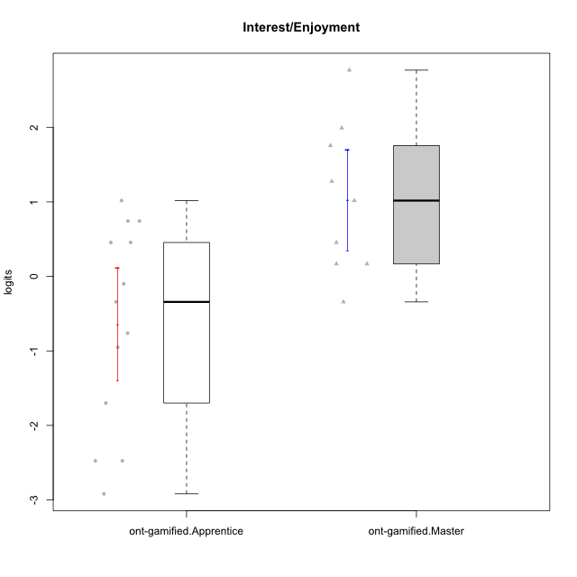

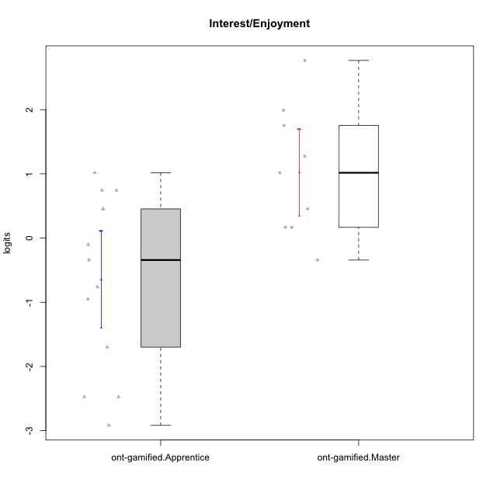

Student's t-Test data
UserID | NroUSP | Type | CLGroup | CLRole | PlayerRole | Interest/Enjoyment | error | WLE.rel
10171 | 698531 | ont-gamified | Mafia | Master | Social Achiever | 2.7672373265 | 0.56403876232 | 0.85798089871
10175 | 10310700 | ont-gamified | Warriors | Master | Social Achiever | 0.45486221362 | 0.52144182726 | 0.85798089871
10176 | 10276949 | ont-gamified | Outlaws | Master | Social Achiever | 0.16791234568 | 0.51293746423 | 0.85798089871
10186 | 10310551 | ont-gamified | Slayers | Apprentice | Social Achiever | -0.34237304572 | 0.47870175639 | 0.85798089871
10188 | 10276995 | ont-gamified | Vandals | Master | Yee Achiever | -0.34237304572 | 0.47870175639 | 0.85798089871
10192 | 10276682 | ont-gamified | Attractive Devils | Apprentice | Social Achiever | -0.10032552079 | 0.49681521465 | 0.85798089871
10193 | 10276762 | ont-gamified | Vandals | Apprentice | Yee Achiever | -2.474691321 | 0.62098067943 | 0.85798089871
10198 | 10310888 | ont-gamified | Attractive Devils | Apprentice | Social Achiever | 0.45486221362 | 0.52144182726 | 0.85798089871
10200 | 9795272 | ont-gamified | Warriors | Apprentice | Social Achiever | 1.0171941972 | 0.51261094313 | 0.85798089871
10202 | 10277036 | ont-gamified | Silly Knights | Apprentice | Social Achiever | -0.76156506344 | 0.45087563074 | 0.85798089871
10203 | 9921470 | ont-gamified | Mercenaries | Apprentice | Social Achiever | 0.74282503242 | 0.52011196894 | 0.85798089871
10208 | 10276932 | ont-gamified | Mercenaries | Master | Social Achiever | 0.16791234568 | 0.51293746423 | 0.85798089871
10209 | 10262669 | ont-gamified | Mafia | Apprentice | Social Achiever | -1.6999199591 | 0.47133834111 | 0.85798089871
10214 | 10277022 | ont-gamified | Vikings | Apprentice | Social Achiever | -2.9180839197 | 0.77503415032 | 0.85798089871
10215 | 9285227 | ont-gamified | Vikings | Master | Social Achiever | 1.0171941972 | 0.51261094313 | 0.85798089871
10216 | 10276720 | ont-gamified | Silly Knights | Master | Social Achiever | 1.7552152239 | 0.49674595255 | 0.85798089871
10221 | 9082496 | ont-gamified | Warriors | Apprentice | Social Achiever | -0.95085110794 | 0.44369855542 | 0.85798089871
10223 | 9795185 | ont-gamified | Slayers | Master | Social Achiever | 1.9906110408 | 0.50085145968 | 0.85798089871
10224 | 9368772 | ont-gamified | Mercenaries | Apprentice | Social Achiever | 0.45486221362 | 0.52144182726 | 0.85798089871
10228 | 10310492 | ont-gamified | Resistance | Apprentice | Social Achiever | -2.474691321 | 0.62098067943 | 0.85798089871
10230 | 10351992 | ont-gamified | Resistance | Master | Social Achiever | 1.2745831746 | 0.50416063836 | 0.85798089871
10237 | 10377688 | ont-gamified | Outlaws | Apprentice | Social Achiever | 0.74282503242 | 0.52011196894 | 0.85798089871

Type_CLRole_2
Student's t-Test for Interest/Enjoyment in Type:CLRole between ont-gamified.Apprentice:w/o-gamified.Apprentice

Student's t-Test results
Alternative hypothesis: less
Group | N | Mean | Mean.Difference | Std.deviation | Std.error | CI.lower | CI.upper | df | t.value | p.value | g | magnitude
ont-gamified.Apprentice | 13 | -0.63922558227 | -0.73309969708 | 1.3694481693 | 0.37981658411 | -1.3988587505 | 0.12040758595 | 24.277438432 | -1.522675821 | 0.070380149855 | -0.55460249195 | medium
w/o-gamified.Apprentice | 17 | 0.093874114817 | 0.73309969708 | 1.2198970058 | 0.29586848278 | -0.49786285073 | 0.68561108037 | 24.277438432 | -1.522675821 | 0.070380149855 | -0.55460249195 | medium
Alternative hypothesis: greater
Group | N | Mean | Mean.Difference | Std.deviation | Std.error | CI.lower | CI.upper | df | t.value | p.value | g | magnitude
ont-gamified.Apprentice | 13 | -0.63922558227 | -0.73309969708 | 1.3694481693 | 0.37981658411 | -1.3988587505 | 0.12040758595 | 24.277438432 | -1.522675821 | 0.92961985014 | -0.55460249195 | medium
w/o-gamified.Apprentice | 17 | 0.093874114817 | 0.73309969708 | 1.2198970058 | 0.29586848278 | -0.49786285073 | 0.68561108037 | 24.277438432 | -1.522675821 | 0.92961985014 | -0.55460249195 | medium
Alternative hypothesis: two.sided
Group | N | Mean | Mean.Difference | Std.deviation | Std.error | CI.lower | CI.upper | df | t.value | p.value | g | magnitude
ont-gamified.Apprentice | 13 | -0.63922558227 | -0.73309969708 | 1.3694481693 | 0.37981658411 | -1.3988587505 | 0.12040758595 | 24.277438432 | -1.522675821 | 0.14076029971 | -0.55460249195 | medium
w/o-gamified.Apprentice | 17 | 0.093874114817 | 0.73309969708 | 1.2198970058 | 0.29586848278 | -0.49786285073 | 0.68561108037 | 24.277438432 | -1.522675821 | 0.14076029971 | -0.55460249195 | medium

Box plots for Student's t-Test
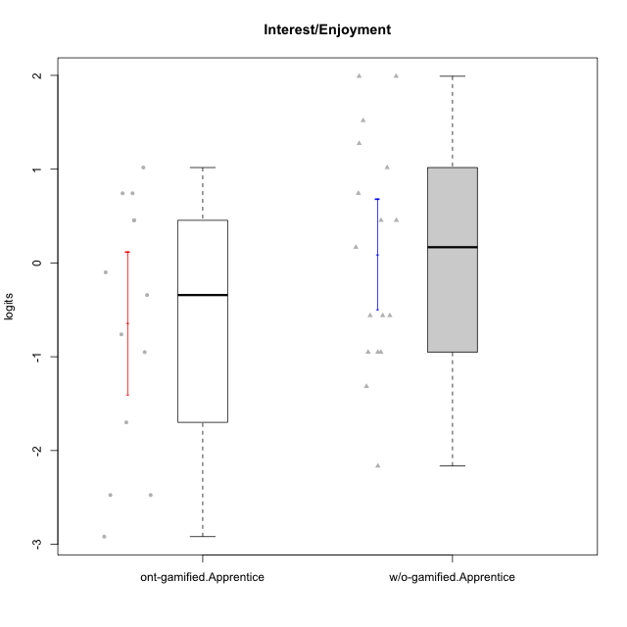

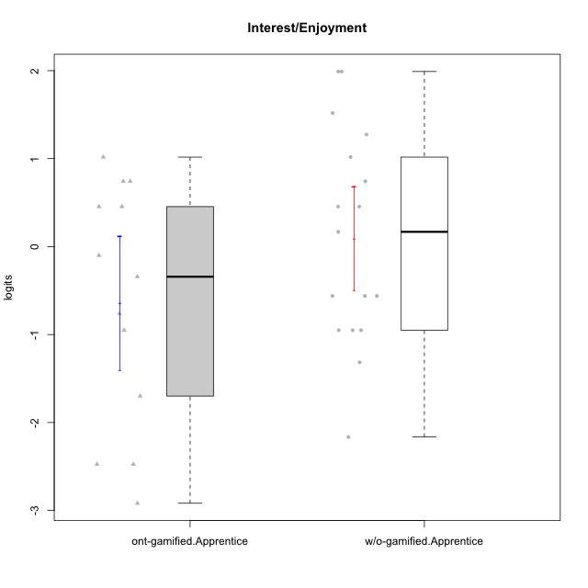

Student's t-Test data
UserID | NroUSP | Type | CLGroup | CLRole | PlayerRole | Interest/Enjoyment | error | WLE.rel
10170 | 10260351 | w/o-gamified | Grupo11 | Apprentice |  | 0.74282503242 | 0.52011196894 | 0.85798089871
10172 | 10273971 | w/o-gamified | Grupo5 | Apprentice |  | 1.9906110408 | 0.50085145968 | 0.85798089871
10181 | 10276866 | w/o-gamified | Grupo2 | Apprentice |  | -1.3163675753 | 0.4447506736 | 0.85798089871
10183 | 10352030 | w/o-gamified | Grupo3 | Apprentice |  | -0.95085110794 | 0.44369855542 | 0.85798089871
10184 | 10276675 | w/o-gamified | Grupo10 | Apprentice |  | 0.16791234568 | 0.51293746423 | 0.85798089871
10185 | 10276960 | w/o-gamified | Grupo9 | Apprentice |  | 1.5186440334 | 0.49824905788 | 0.85798089871
10186 | 10310551 | ont-gamified | Slayers | Apprentice | Social Achiever | -0.34237304572 | 0.47870175639 | 0.85798089871
10190 | 10276907 | w/o-gamified | Grupo4 | Apprentice |  | -0.5607739336 | 0.46276258256 | 0.85798089871
10192 | 10276682 | ont-gamified | Attractive Devils | Apprentice | Social Achiever | -0.10032552079 | 0.49681521465 | 0.85798089871
10193 | 10276762 | ont-gamified | Vandals | Apprentice | Yee Achiever | -2.474691321 | 0.62098067943 | 0.85798089871
10197 | 10276661 | w/o-gamified | Grupo8 | Apprentice |  | -0.5607739336 | 0.46276258256 | 0.85798089871
10198 | 10310888 | ont-gamified | Attractive Devils | Apprentice | Social Achiever | 0.45486221362 | 0.52144182726 | 0.85798089871
10199 | 10276737 | w/o-gamified | Grupo1 | Apprentice |  | -0.95085110794 | 0.44369855542 | 0.85798089871
10200 | 9795272 | ont-gamified | Warriors | Apprentice | Social Achiever | 1.0171941972 | 0.51261094313 | 0.85798089871
10201 | 10276928 | w/o-gamified | Grupo11 | Apprentice |  | 1.9906110408 | 0.50085145968 | 0.85798089871
10202 | 10277036 | ont-gamified | Silly Knights | Apprentice | Social Achiever | -0.76156506344 | 0.45087563074 | 0.85798089871
10203 | 9921470 | ont-gamified | Mercenaries | Apprentice | Social Achiever | 0.74282503242 | 0.52011196894 | 0.85798089871
10206 | 10310721 | w/o-gamified | Grupo8 | Apprentice |  | 0.45486221362 | 0.52144182726 | 0.85798089871
10209 | 10262669 | ont-gamified | Mafia | Apprentice | Social Achiever | -1.6999199591 | 0.47133834111 | 0.85798089871
10213 | 10277040 | w/o-gamified | Grupo7 | Apprentice |  | -0.5607739336 | 0.46276258256 | 0.85798089871
10214 | 10277022 | ont-gamified | Vikings | Apprentice | Social Achiever | -2.9180839197 | 0.77503415032 | 0.85798089871
10217 | 9805341 | w/o-gamified | Grupo9 | Apprentice |  | 1.2745831746 | 0.50416063836 | 0.85798089871
10218 | 9842913 | w/o-gamified | Grupo10 | Apprentice |  | 0.45486221362 | 0.52144182726 | 0.85798089871
10220 | 9760151 | w/o-gamified | Grupo3 | Apprentice |  | -0.95085110794 | 0.44369855542 | 0.85798089871
10221 | 9082496 | ont-gamified | Warriors | Apprentice | Social Achiever | -0.95085110794 | 0.44369855542 | 0.85798089871
10224 | 9368772 | ont-gamified | Mercenaries | Apprentice | Social Achiever | 0.45486221362 | 0.52144182726 | 0.85798089871
10226 | 10310342 | w/o-gamified | Grupo4 | Apprentice |  | -2.1650026404 | 0.54427639602 | 0.85798089871
10228 | 10310492 | ont-gamified | Resistance | Apprentice | Social Achiever | -2.474691321 | 0.62098067943 | 0.85798089871
10232 | 10276974 | w/o-gamified | Grupo7 | Apprentice |  | 1.0171941972 | 0.51261094313 | 0.85798089871
10237 | 10377688 | ont-gamified | Outlaws | Apprentice | Social Achiever | 0.74282503242 | 0.52011196894 | 0.85798089871

Type_CLRole_3
Student's t-Test for Interest/Enjoyment in Type:CLRole between ont-gamified.Apprentice:w/o-gamified.Master

Student's t-Test results
Alternative hypothesis: less
Group | N | Mean | Mean.Difference | Std.deviation | Std.error | CI.lower | CI.upper | df | t.value | p.value | g | magnitude
ont-gamified.Apprentice | 13 | -0.63922558227 | -1.5285303989 | 1.3694481693 | 0.37981658411 | -1.3988587505 | 0.12040758595 | 15.891486844 | -3.401070846 | 0.0018408904356 | -1.1971413491 | large
w/o-gamified.Master | 5 | 0.88930481662 | 1.5285303989 | 0.53723033045 | 0.24025670769 | 0.40879140124 | 1.369818232 | 15.891486844 | -3.401070846 | 0.0018408904356 | -1.1971413491 | large
Alternative hypothesis: greater
Group | N | Mean | Mean.Difference | Std.deviation | Std.error | CI.lower | CI.upper | df | t.value | p.value | g | magnitude
ont-gamified.Apprentice | 13 | -0.63922558227 | -1.5285303989 | 1.3694481693 | 0.37981658411 | -1.3988587505 | 0.12040758595 | 15.891486844 | -3.401070846 | 0.99815910956 | -1.1971413491 | large
w/o-gamified.Master | 5 | 0.88930481662 | 1.5285303989 | 0.53723033045 | 0.24025670769 | 0.40879140124 | 1.369818232 | 15.891486844 | -3.401070846 | 0.99815910956 | -1.1971413491 | large
Alternative hypothesis: two.sided
Group | N | Mean | Mean.Difference | Std.deviation | Std.error | CI.lower | CI.upper | df | t.value | p.value | g | magnitude
ont-gamified.Apprentice | 13 | -0.63922558227 | -1.5285303989 | 1.3694481693 | 0.37981658411 | -1.3988587505 | 0.12040758595 | 15.891486844 | -3.401070846 | 0.0036817808712 | -1.1971413491 | large
w/o-gamified.Master | 5 | 0.88930481662 | 1.5285303989 | 0.53723033045 | 0.24025670769 | 0.40879140124 | 1.369818232 | 15.891486844 | -3.401070846 | 0.0036817808712 | -1.1971413491 | large

Box plots for Student's t-Test
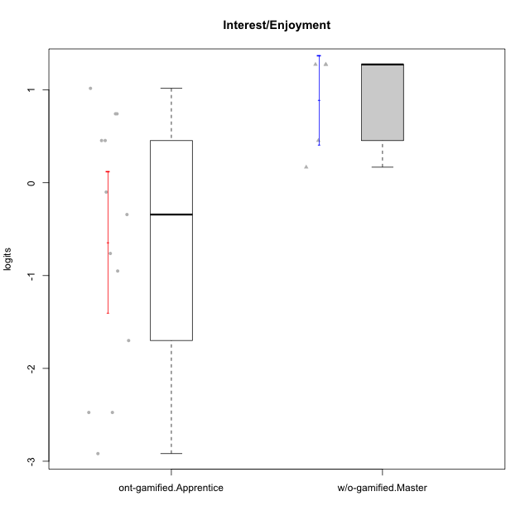

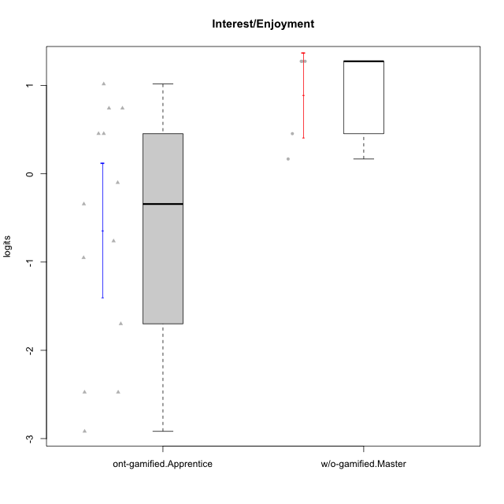

Student's t-Test data
UserID | NroUSP | Type | CLGroup | CLRole | PlayerRole | Interest/Enjoyment | error | WLE.rel
10174 | 10276852 | w/o-gamified | Grupo7 | Master |  | 1.2745831746 | 0.50416063836 | 0.85798089871
10179 | 10310759 | w/o-gamified | Grupo10 | Master |  | 0.45486221362 | 0.52144182726 | 0.85798089871
10186 | 10310551 | ont-gamified | Slayers | Apprentice | Social Achiever | -0.34237304572 | 0.47870175639 | 0.85798089871
10192 | 10276682 | ont-gamified | Attractive Devils | Apprentice | Social Achiever | -0.10032552079 | 0.49681521465 | 0.85798089871
10193 | 10276762 | ont-gamified | Vandals | Apprentice | Yee Achiever | -2.474691321 | 0.62098067943 | 0.85798089871
10198 | 10310888 | ont-gamified | Attractive Devils | Apprentice | Social Achiever | 0.45486221362 | 0.52144182726 | 0.85798089871
10200 | 9795272 | ont-gamified | Warriors | Apprentice | Social Achiever | 1.0171941972 | 0.51261094313 | 0.85798089871
10202 | 10277036 | ont-gamified | Silly Knights | Apprentice | Social Achiever | -0.76156506344 | 0.45087563074 | 0.85798089871
10203 | 9921470 | ont-gamified | Mercenaries | Apprentice | Social Achiever | 0.74282503242 | 0.52011196894 | 0.85798089871
10209 | 10262669 | ont-gamified | Mafia | Apprentice | Social Achiever | -1.6999199591 | 0.47133834111 | 0.85798089871
10214 | 10277022 | ont-gamified | Vikings | Apprentice | Social Achiever | -2.9180839197 | 0.77503415032 | 0.85798089871
10221 | 9082496 | ont-gamified | Warriors | Apprentice | Social Achiever | -0.95085110794 | 0.44369855542 | 0.85798089871
10224 | 9368772 | ont-gamified | Mercenaries | Apprentice | Social Achiever | 0.45486221362 | 0.52144182726 | 0.85798089871
10227 | 9274382 | w/o-gamified | Grupo5 | Master |  | 1.2745831746 | 0.50416063836 | 0.85798089871
10228 | 10310492 | ont-gamified | Resistance | Apprentice | Social Achiever | -2.474691321 | 0.62098067943 | 0.85798089871
10231 | 10276911 | w/o-gamified | Grupo9 | Master |  | 1.2745831746 | 0.50416063836 | 0.85798089871
10237 | 10377688 | ont-gamified | Outlaws | Apprentice | Social Achiever | 0.74282503242 | 0.52011196894 | 0.85798089871
10238 | 10276953 | w/o-gamified | Grupo2 | Master |  | 0.16791234568 | 0.51293746423 | 0.85798089871

Type_CLRole_4
Student's t-Test for Interest/Enjoyment in Type:CLRole between ont-gamified.Master:w/o-gamified.Apprentice

Student's t-Test results
Alternative hypothesis: less
Group | N | Mean | Mean.Difference | Std.deviation | Std.error | CI.lower | CI.upper | df | t.value | p.value | g | magnitude
ont-gamified.Master | 9 | 1.0281283136 | 0.93425419877 | 1.014102997 | 0.33803433233 | 0.35205964894 | 1.7041969782 | 19.291472255 | 2.0796904629 | 0.97443939334 | 0.78307757867 | medium
w/o-gamified.Apprentice | 17 | 0.093874114817 | -0.93425419877 | 1.2198970058 | 0.29586848278 | -0.49786285073 | 0.68561108037 | 19.291472255 | 2.0796904629 | 0.97443939334 | 0.78307757867 | medium
Alternative hypothesis: greater
Group | N | Mean | Mean.Difference | Std.deviation | Std.error | CI.lower | CI.upper | df | t.value | p.value | g | magnitude
ont-gamified.Master | 9 | 1.0281283136 | 0.93425419877 | 1.014102997 | 0.33803433233 | 0.35205964894 | 1.7041969782 | 19.291472255 | 2.0796904629 | 0.025560606658 | 0.78307757867 | medium
w/o-gamified.Apprentice | 17 | 0.093874114817 | -0.93425419877 | 1.2198970058 | 0.29586848278 | -0.49786285073 | 0.68561108037 | 19.291472255 | 2.0796904629 | 0.025560606658 | 0.78307757867 | medium
Alternative hypothesis: two.sided
Group | N | Mean | Mean.Difference | Std.deviation | Std.error | CI.lower | CI.upper | df | t.value | p.value | g | magnitude
ont-gamified.Master | 9 | 1.0281283136 | 0.93425419877 | 1.014102997 | 0.33803433233 | 0.35205964894 | 1.7041969782 | 19.291472255 | 2.0796904629 | 0.051121213315 | 0.78307757867 | medium
w/o-gamified.Apprentice | 17 | 0.093874114817 | -0.93425419877 | 1.2198970058 | 0.29586848278 | -0.49786285073 | 0.68561108037 | 19.291472255 | 2.0796904629 | 0.051121213315 | 0.78307757867 | medium

Box plots for Student's t-Test
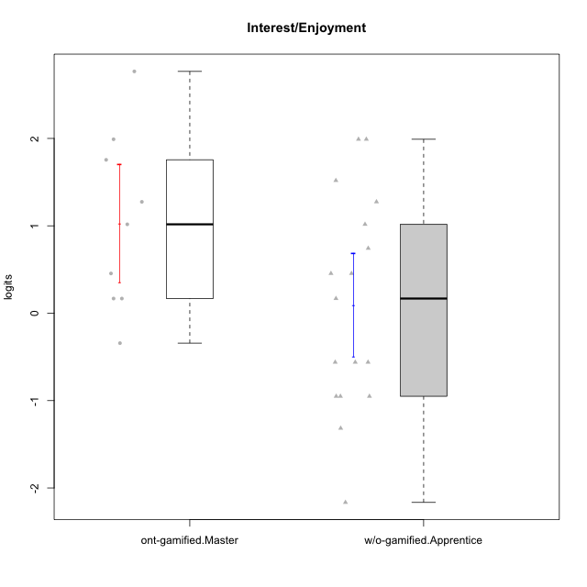

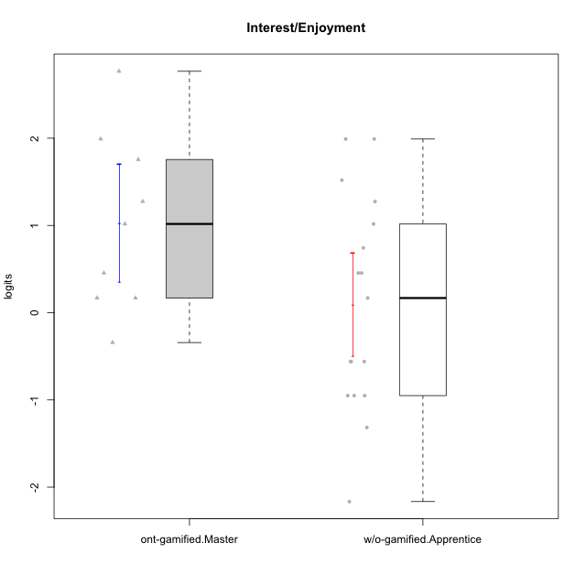

Student's t-Test data
UserID | NroUSP | Type | CLGroup | CLRole | PlayerRole | Interest/Enjoyment | error | WLE.rel
10170 | 10260351 | w/o-gamified | Grupo11 | Apprentice |  | 0.74282503242 | 0.52011196894 | 0.85798089871
10171 | 698531 | ont-gamified | Mafia | Master | Social Achiever | 2.7672373265 | 0.56403876232 | 0.85798089871
10172 | 10273971 | w/o-gamified | Grupo5 | Apprentice |  | 1.9906110408 | 0.50085145968 | 0.85798089871
10175 | 10310700 | ont-gamified | Warriors | Master | Social Achiever | 0.45486221362 | 0.52144182726 | 0.85798089871
10176 | 10276949 | ont-gamified | Outlaws | Master | Social Achiever | 0.16791234568 | 0.51293746423 | 0.85798089871
10181 | 10276866 | w/o-gamified | Grupo2 | Apprentice |  | -1.3163675753 | 0.4447506736 | 0.85798089871
10183 | 10352030 | w/o-gamified | Grupo3 | Apprentice |  | -0.95085110794 | 0.44369855542 | 0.85798089871
10184 | 10276675 | w/o-gamified | Grupo10 | Apprentice |  | 0.16791234568 | 0.51293746423 | 0.85798089871
10185 | 10276960 | w/o-gamified | Grupo9 | Apprentice |  | 1.5186440334 | 0.49824905788 | 0.85798089871
10188 | 10276995 | ont-gamified | Vandals | Master | Yee Achiever | -0.34237304572 | 0.47870175639 | 0.85798089871
10190 | 10276907 | w/o-gamified | Grupo4 | Apprentice |  | -0.5607739336 | 0.46276258256 | 0.85798089871
10197 | 10276661 | w/o-gamified | Grupo8 | Apprentice |  | -0.5607739336 | 0.46276258256 | 0.85798089871
10199 | 10276737 | w/o-gamified | Grupo1 | Apprentice |  | -0.95085110794 | 0.44369855542 | 0.85798089871
10201 | 10276928 | w/o-gamified | Grupo11 | Apprentice |  | 1.9906110408 | 0.50085145968 | 0.85798089871
10206 | 10310721 | w/o-gamified | Grupo8 | Apprentice |  | 0.45486221362 | 0.52144182726 | 0.85798089871
10208 | 10276932 | ont-gamified | Mercenaries | Master | Social Achiever | 0.16791234568 | 0.51293746423 | 0.85798089871
10213 | 10277040 | w/o-gamified | Grupo7 | Apprentice |  | -0.5607739336 | 0.46276258256 | 0.85798089871
10215 | 9285227 | ont-gamified | Vikings | Master | Social Achiever | 1.0171941972 | 0.51261094313 | 0.85798089871
10216 | 10276720 | ont-gamified | Silly Knights | Master | Social Achiever | 1.7552152239 | 0.49674595255 | 0.85798089871
10217 | 9805341 | w/o-gamified | Grupo9 | Apprentice |  | 1.2745831746 | 0.50416063836 | 0.85798089871
10218 | 9842913 | w/o-gamified | Grupo10 | Apprentice |  | 0.45486221362 | 0.52144182726 | 0.85798089871
10220 | 9760151 | w/o-gamified | Grupo3 | Apprentice |  | -0.95085110794 | 0.44369855542 | 0.85798089871
10223 | 9795185 | ont-gamified | Slayers | Master | Social Achiever | 1.9906110408 | 0.50085145968 | 0.85798089871
10226 | 10310342 | w/o-gamified | Grupo4 | Apprentice |  | -2.1650026404 | 0.54427639602 | 0.85798089871
10230 | 10351992 | ont-gamified | Resistance | Master | Social Achiever | 1.2745831746 | 0.50416063836 | 0.85798089871
10232 | 10276974 | w/o-gamified | Grupo7 | Apprentice |  | 1.0171941972 | 0.51261094313 | 0.85798089871

Type_CLRole_5
Student's t-Test for Interest/Enjoyment in Type:CLRole between ont-gamified.Master:w/o-gamified.Master

Student's t-Test results
Alternative hypothesis: less
Group | N | Mean | Mean.Difference | Std.deviation | Std.error | CI.lower | CI.upper | df | t.value | p.value | g | magnitude
ont-gamified.Master | 9 | 1.0281283136 | 0.13882349697 | 1.014102997 | 0.33803433233 | 0.35205964894 | 1.7041969782 | 11.999717885 | 0.33474242373 | 0.62820100796 | 0.14698314625 | negligible
w/o-gamified.Master | 5 | 0.88930481662 | -0.13882349697 | 0.53723033045 | 0.24025670769 | 0.40879140124 | 1.369818232 | 11.999717885 | 0.33474242373 | 0.62820100796 | 0.14698314625 | negligible
Alternative hypothesis: greater
Group | N | Mean | Mean.Difference | Std.deviation | Std.error | CI.lower | CI.upper | df | t.value | p.value | g | magnitude
ont-gamified.Master | 9 | 1.0281283136 | 0.13882349697 | 1.014102997 | 0.33803433233 | 0.35205964894 | 1.7041969782 | 11.999717885 | 0.33474242373 | 0.37179899204 | 0.14698314625 | negligible
w/o-gamified.Master | 5 | 0.88930481662 | -0.13882349697 | 0.53723033045 | 0.24025670769 | 0.40879140124 | 1.369818232 | 11.999717885 | 0.33474242373 | 0.37179899204 | 0.14698314625 | negligible
Alternative hypothesis: two.sided
Group | N | Mean | Mean.Difference | Std.deviation | Std.error | CI.lower | CI.upper | df | t.value | p.value | g | magnitude
ont-gamified.Master | 9 | 1.0281283136 | 0.13882349697 | 1.014102997 | 0.33803433233 | 0.35205964894 | 1.7041969782 | 11.999717885 | 0.33474242373 | 0.74359798408 | 0.14698314625 | negligible
w/o-gamified.Master | 5 | 0.88930481662 | -0.13882349697 | 0.53723033045 | 0.24025670769 | 0.40879140124 | 1.369818232 | 11.999717885 | 0.33474242373 | 0.74359798408 | 0.14698314625 | negligible

Box plots for Student's t-Test
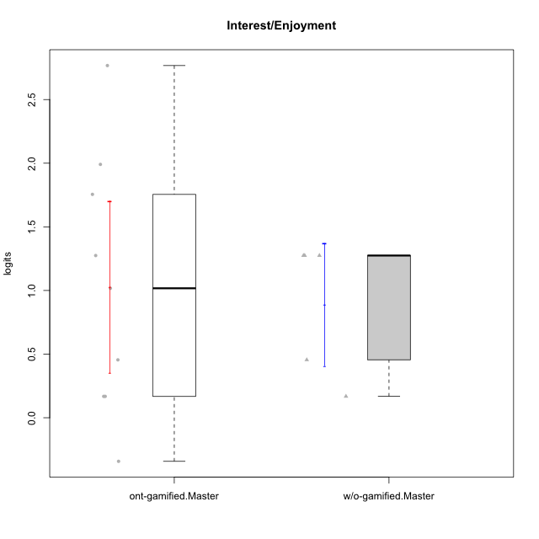

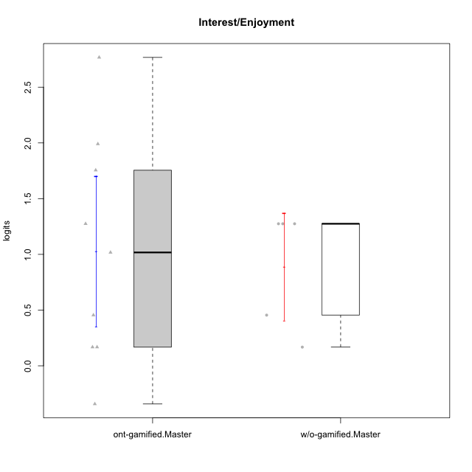

Student's t-Test data
UserID | NroUSP | Type | CLGroup | CLRole | PlayerRole | Interest/Enjoyment | error | WLE.rel
10171 | 698531 | ont-gamified | Mafia | Master | Social Achiever | 2.7672373265 | 0.56403876232 | 0.85798089871
10174 | 10276852 | w/o-gamified | Grupo7 | Master |  | 1.2745831746 | 0.50416063836 | 0.85798089871
10175 | 10310700 | ont-gamified | Warriors | Master | Social Achiever | 0.45486221362 | 0.52144182726 | 0.85798089871
10176 | 10276949 | ont-gamified | Outlaws | Master | Social Achiever | 0.16791234568 | 0.51293746423 | 0.85798089871
10179 | 10310759 | w/o-gamified | Grupo10 | Master |  | 0.45486221362 | 0.52144182726 | 0.85798089871
10188 | 10276995 | ont-gamified | Vandals | Master | Yee Achiever | -0.34237304572 | 0.47870175639 | 0.85798089871
10208 | 10276932 | ont-gamified | Mercenaries | Master | Social Achiever | 0.16791234568 | 0.51293746423 | 0.85798089871
10215 | 9285227 | ont-gamified | Vikings | Master | Social Achiever | 1.0171941972 | 0.51261094313 | 0.85798089871
10216 | 10276720 | ont-gamified | Silly Knights | Master | Social Achiever | 1.7552152239 | 0.49674595255 | 0.85798089871
10223 | 9795185 | ont-gamified | Slayers | Master | Social Achiever | 1.9906110408 | 0.50085145968 | 0.85798089871
10227 | 9274382 | w/o-gamified | Grupo5 | Master |  | 1.2745831746 | 0.50416063836 | 0.85798089871
10230 | 10351992 | ont-gamified | Resistance | Master | Social Achiever | 1.2745831746 | 0.50416063836 | 0.85798089871
10231 | 10276911 | w/o-gamified | Grupo9 | Master |  | 1.2745831746 | 0.50416063836 | 0.85798089871
10238 | 10276953 | w/o-gamified | Grupo2 | Master |  | 0.16791234568 | 0.51293746423 | 0.85798089871

Type_CLRole_6
Student's t-Test for Interest/Enjoyment in Type:CLRole between w/o-gamified.Apprentice:w/o-gamified.Master

Student's t-Test results
Alternative hypothesis: less
Group | N | Mean | Mean.Difference | Std.deviation | Std.error | CI.lower | CI.upper | df | t.value | p.value | g | magnitude
w/o-gamified.Apprentice | 17 | 0.093874114817 | -0.7954307018 | 1.2198970058 | 0.29586848278 | -0.49786285073 | 0.68561108037 | 16.083882087 | -2.0870226875 | 0.026577467202 | -0.68491931189 | medium
w/o-gamified.Master | 5 | 0.88930481662 | 0.7954307018 | 0.53723033045 | 0.24025670769 | 0.40879140124 | 1.369818232 | 16.083882087 | -2.0870226875 | 0.026577467202 | -0.68491931189 | medium
Alternative hypothesis: greater
Group | N | Mean | Mean.Difference | Std.deviation | Std.error | CI.lower | CI.upper | df | t.value | p.value | g | magnitude
w/o-gamified.Apprentice | 17 | 0.093874114817 | -0.7954307018 | 1.2198970058 | 0.29586848278 | -0.49786285073 | 0.68561108037 | 16.083882087 | -2.0870226875 | 0.9734225328 | -0.68491931189 | medium
w/o-gamified.Master | 5 | 0.88930481662 | 0.7954307018 | 0.53723033045 | 0.24025670769 | 0.40879140124 | 1.369818232 | 16.083882087 | -2.0870226875 | 0.9734225328 | -0.68491931189 | medium
Alternative hypothesis: two.sided
Group | N | Mean | Mean.Difference | Std.deviation | Std.error | CI.lower | CI.upper | df | t.value | p.value | g | magnitude
w/o-gamified.Apprentice | 17 | 0.093874114817 | -0.7954307018 | 1.2198970058 | 0.29586848278 | -0.49786285073 | 0.68561108037 | 16.083882087 | -2.0870226875 | 0.053154934404 | -0.68491931189 | medium
w/o-gamified.Master | 5 | 0.88930481662 | 0.7954307018 | 0.53723033045 | 0.24025670769 | 0.40879140124 | 1.369818232 | 16.083882087 | -2.0870226875 | 0.053154934404 | -0.68491931189 | medium

Box plots for Student's t-Test
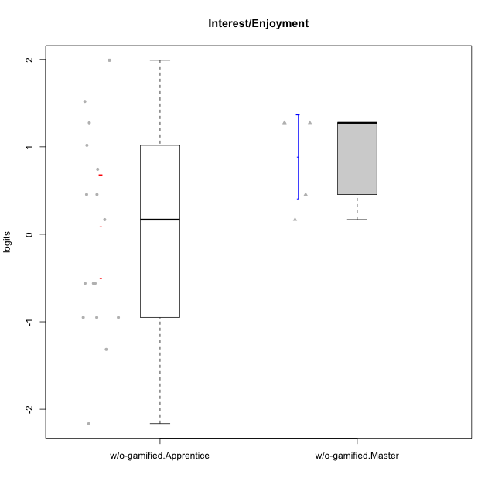

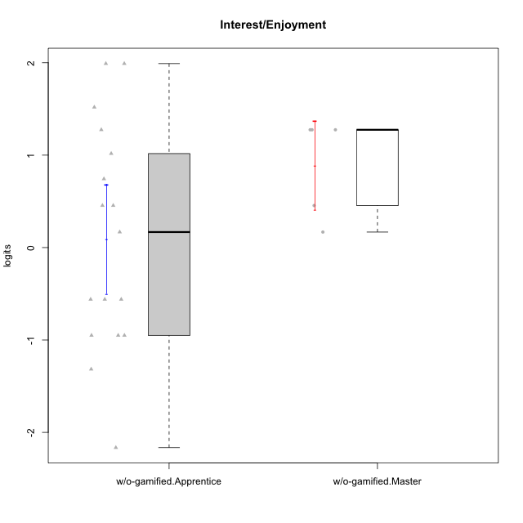

Student's t-Test data
UserID | NroUSP | Type | CLGroup | CLRole | PlayerRole | Interest/Enjoyment | error | WLE.rel
10170 | 10260351 | w/o-gamified | Grupo11 | Apprentice |  | 0.74282503242 | 0.52011196894 | 0.85798089871
10172 | 10273971 | w/o-gamified | Grupo5 | Apprentice |  | 1.9906110408 | 0.50085145968 | 0.85798089871
10174 | 10276852 | w/o-gamified | Grupo7 | Master |  | 1.2745831746 | 0.50416063836 | 0.85798089871
10179 | 10310759 | w/o-gamified | Grupo10 | Master |  | 0.45486221362 | 0.52144182726 | 0.85798089871
10181 | 10276866 | w/o-gamified | Grupo2 | Apprentice |  | -1.3163675753 | 0.4447506736 | 0.85798089871
10183 | 10352030 | w/o-gamified | Grupo3 | Apprentice |  | -0.95085110794 | 0.44369855542 | 0.85798089871
10184 | 10276675 | w/o-gamified | Grupo10 | Apprentice |  | 0.16791234568 | 0.51293746423 | 0.85798089871
10185 | 10276960 | w/o-gamified | Grupo9 | Apprentice |  | 1.5186440334 | 0.49824905788 | 0.85798089871
10190 | 10276907 | w/o-gamified | Grupo4 | Apprentice |  | -0.5607739336 | 0.46276258256 | 0.85798089871
10197 | 10276661 | w/o-gamified | Grupo8 | Apprentice |  | -0.5607739336 | 0.46276258256 | 0.85798089871
10199 | 10276737 | w/o-gamified | Grupo1 | Apprentice |  | -0.95085110794 | 0.44369855542 | 0.85798089871
10201 | 10276928 | w/o-gamified | Grupo11 | Apprentice |  | 1.9906110408 | 0.50085145968 | 0.85798089871
10206 | 10310721 | w/o-gamified | Grupo8 | Apprentice |  | 0.45486221362 | 0.52144182726 | 0.85798089871
10213 | 10277040 | w/o-gamified | Grupo7 | Apprentice |  | -0.5607739336 | 0.46276258256 | 0.85798089871
10217 | 9805341 | w/o-gamified | Grupo9 | Apprentice |  | 1.2745831746 | 0.50416063836 | 0.85798089871
10218 | 9842913 | w/o-gamified | Grupo10 | Apprentice |  | 0.45486221362 | 0.52144182726 | 0.85798089871
10220 | 9760151 | w/o-gamified | Grupo3 | Apprentice |  | -0.95085110794 | 0.44369855542 | 0.85798089871
10226 | 10310342 | w/o-gamified | Grupo4 | Apprentice |  | -2.1650026404 | 0.54427639602 | 0.85798089871
10227 | 9274382 | w/o-gamified | Grupo5 | Master |  | 1.2745831746 | 0.50416063836 | 0.85798089871
10231 | 10276911 | w/o-gamified | Grupo9 | Master |  | 1.2745831746 | 0.50416063836 | 0.85798089871
10232 | 10276974 | w/o-gamified | Grupo7 | Apprentice |  | 1.0171941972 | 0.51261094313 | 0.85798089871
10238 | 10276953 | w/o-gamified | Grupo2 | Master |  | 0.16791234568 | 0.51293746423 | 0.85798089871

