Assumptions
ANOVA assumptions for Pressure/Tension

Shapiro-Wilk normality test for Pressure/Tension
W | p.value
0.97098989107 | 0.27669794259

Plots for normality test
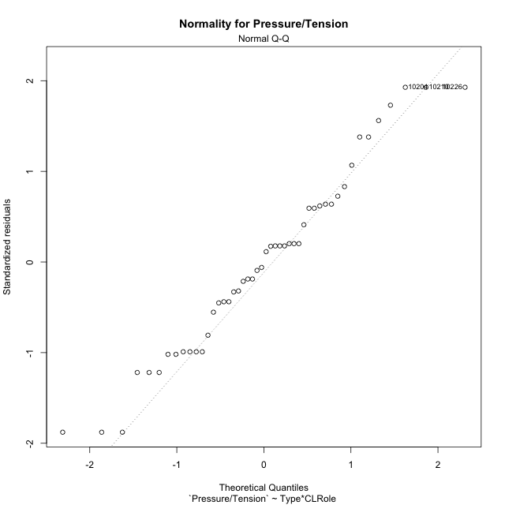

Levene's Test for Homogeneity of Variance in Pressure/Tension
Df | F value | Pr(>F)
3 | 1.651654153 | 0.19123423739
44

Plots for homogeneity of variance
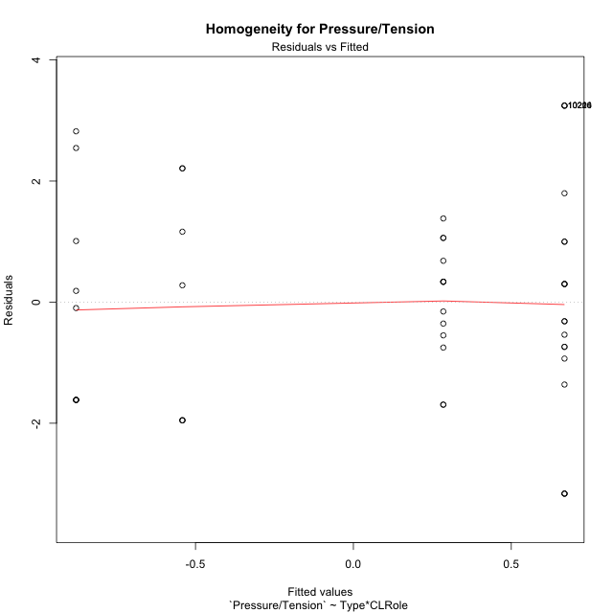

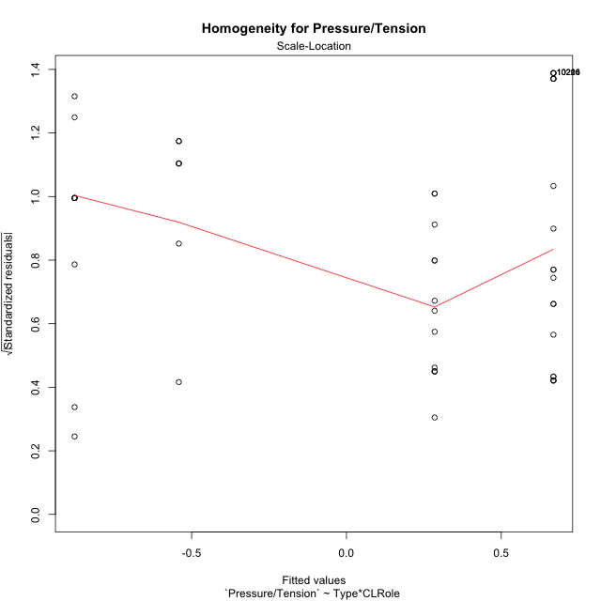

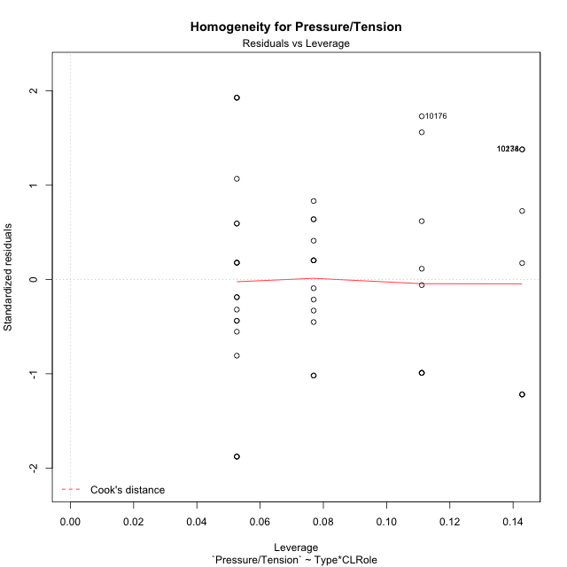

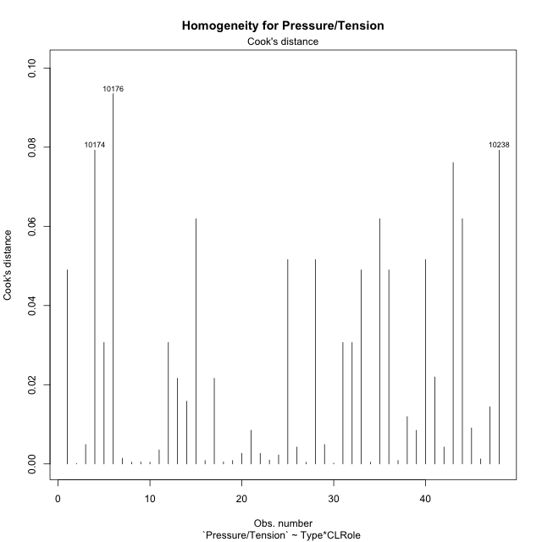

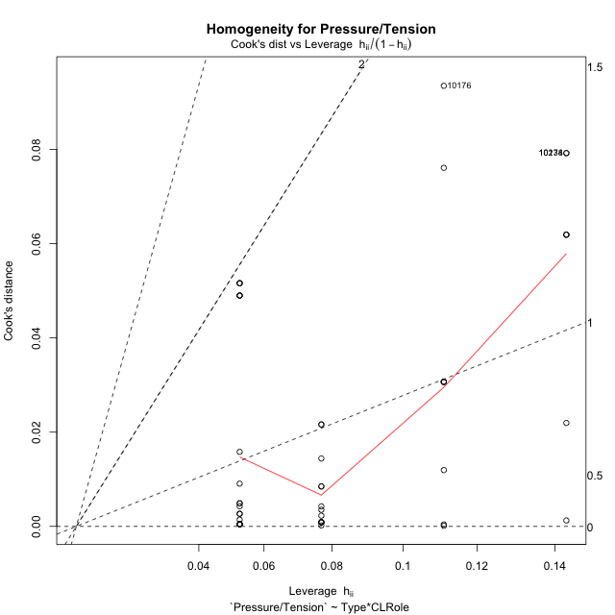

Minimum Sample Size Test for Pressure/Tension
Type | CLRole | Freq
ont-gamified | Apprentice | 13
w/o-gamified | Apprentice | 19
ont-gamified | Master | 9
w/o-gamified | Master | 7

Errors and Warnings in Sample Size Test for ANOVA in Pressure/Tension
code | description
WARN: sample.size | current.size is = 13 and recommended.size must be = 15 for the group: 'ont-gamified:Apprentice'. Size sample for parametric test isn't recomended
WARN: sample.size | current.size is = 9 and recommended.size must be = 15 for the group: 'ont-gamified:Master'. Size sample for parametric test isn't recomended
WARN: sample.size | current.size is = 7 and recommended.size must be = 15 for the group: 'w/o-gamified:Master'. Size sample for parametric test isn't recomended

For the group: 'ont-gamified:Apprentice', we recommend the use of non parametric test. For the group: 'w/o-gamified:Apprentice', you can perform a parametric test with a non-normal distribution For the group: 'ont-gamified:Master', we recommend the use of non parametric test. For the group: 'w/o-gamified:Master', we recommend the use of non parametric test.

If you don't want to remove non-normal data, you must cite the following references: ... (1) Lix, L.M., J.C. Keselman, and H.J. Keselman. 1996. Consequences of assumption violations revisited: A quantitative review of alternatives to the one-way analysis of variance F test. Rev. Educ. Res. 66: 579-619. ... (2) Harwell, M.R., E.N. Rubinstein, W.S. Hayes, and C.C. Olds. 1992. Summarizing Monte Carlo results in methodological research: the one- and two-factor fixed effects ANOVA cases. J. Educ. Stat. 17: 315-339.

Post-hoc
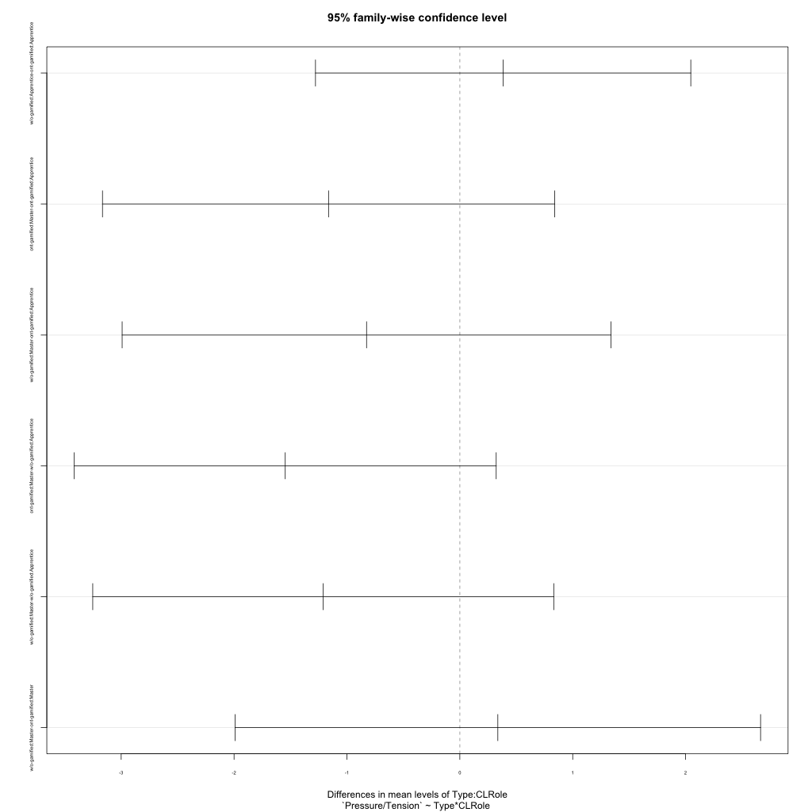
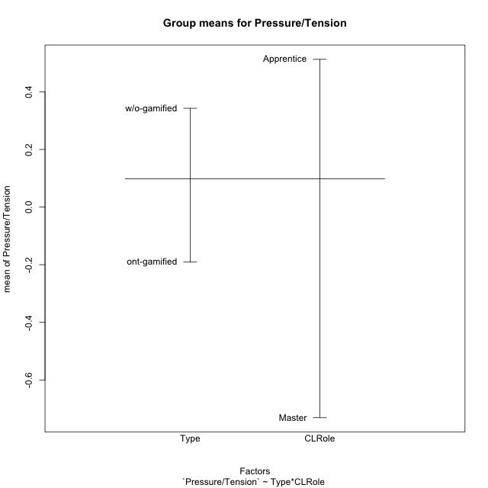
Post-hoc Tukey Honestly Significant Difference (HSD) Test for Pressure/Tension

Comparisons of means for Type
 | diff | lwr | upr | p adj
w/o-gamified-ont-gamified | 0.53370958992 | -0.47618620878 | 1.5436053886 | 0.29264920331

Comparisons of means for CLRole
 | diff | lwr | upr | p adj
Master-Apprentice | -1.160084335 | -2.2275148142 | -0.092653855808 | 0.033845929262

Comparisons of means for Type:CLRole
 | diff | lwr | upr | p adj
w/o-gamified:Apprentice-ont-gamified:Apprentice | 0.38372850701 | -1.2786824363 | 2.0461394504 | 0.92633892082
ont-gamified:Master-ont-gamified:Apprentice | -1.1629347799 | -3.165701131 | 0.83983157123 | 0.41702305337
w/o-gamified:Master-ont-gamified:Apprentice | -0.82625564273 | -2.9914963244 | 1.3389850389 | 0.73934323729
ont-gamified:Master-w/o-gamified:Apprentice | -1.5466632869 | -3.4155924335 | 0.32226585972 | 0.13650450761
w/o-gamified:Master-w/o-gamified:Apprentice | -1.2099841497 | -3.2520640472 | 0.83209574768 | 0.39913670267
w/o-gamified:Master-ont-gamified:Master | 0.33667913713 | -1.9908846579 | 2.6642429322 | 0.98016943419

Contrast Matrices for Pressure/Tension - Type
contrast | estimate | SE | df | t.ratio | p.value
ont-gamified - w/o-gamified | -0.36020382207 | 0.53563056882 | 44 | -0.67248555822 | 0.50479106411

Contrast Matrices for Pressure/Tension - Type:CLRole
contrast | CLRole | estimate | SE | df | t.ratio | p.value
ont-gamified - w/o-gamified | Apprentice | -0.38372850701 | 0.62262450126 | 44 | -0.61630807369 | 0.54086685596
ont-gamified - w/o-gamified | Master | -0.33667913713 | 0.87174489126 | 44 | -0.38621291677 | 0.7012003003

Least Squares Means and Confidence Intervals for Type
Type | lsmean | SE | df | lower.CL | upper.CL | Pairs
ont-gamified | -0.29668565673 | 0.37504908322 | 44 | -1.0525474179 | 0.45917610442 | ont-gamified
w/o-gamified | 0.063518165335 | 0.38241115494 | 44 | -0.70718087644 | 0.83421720711 | w/o-gamified

Least Squares Means and Confidence Intervals for Type:CLRole
Type | CLRole | lsmean | SE | df | lower.CL | upper.CL | Pairs
ont-gamified | Apprentice | 0.2847817332 | 0.47976439927 | 44 | -0.68211988047 | 1.2516833469 | ont-gamified.Apprentice
w/o-gamified | Apprentice | 0.6685102402 | 0.3968468102 | 44 | -0.13128195309 | 1.4683024335 | w/o-gamified.Apprentice
ont-gamified | Master | -0.87815304667 | 0.57660504724 | 44 | -2.0402241621 | 0.2839180688 | ont-gamified.Master
w/o-gamified | Master | -0.54147390954 | 0.65380866844 | 44 | -1.8591386998 | 0.77619088074 | w/o-gamified.Master

Plots

Type_1
Student's t-Test for Pressure/Tension in Type between ont-gamified:w/o-gamified

Student's t-Test results
Alternative hypothesis: less
Group | N | Mean | Mean.Difference | Std.deviation | Std.error | CI.lower | CI.upper | df | t.value | p.value | g | magnitude
ont-gamified | 22 | -0.19096431311 | -0.53370958992 | 1.4612936869 | 0.31154886086 | -0.81406203483 | 0.43213340861 | 45.027612837 | -1.0606239604 | 0.1472584762 | -0.29432163187 | small
w/o-gamified | 26 | 0.34274527681 | 0.53370958992 | 2.0149256479 | 0.39515943065 | -0.44757358449 | 1.1330641381 | 45.027612837 | -1.0606239604 | 0.1472584762 | -0.29432163187 | small
Alternative hypothesis: greater
Group | N | Mean | Mean.Difference | Std.deviation | Std.error | CI.lower | CI.upper | df | t.value | p.value | g | magnitude
ont-gamified | 22 | -0.19096431311 | -0.53370958992 | 1.4612936869 | 0.31154886086 | -0.81406203483 | 0.43213340861 | 45.027612837 | -1.0606239604 | 0.8527415238 | -0.29432163187 | small
w/o-gamified | 26 | 0.34274527681 | 0.53370958992 | 2.0149256479 | 0.39515943065 | -0.44757358449 | 1.1330641381 | 45.027612837 | -1.0606239604 | 0.8527415238 | -0.29432163187 | small
Alternative hypothesis: two.sided
Group | N | Mean | Mean.Difference | Std.deviation | Std.error | CI.lower | CI.upper | df | t.value | p.value | g | magnitude
ont-gamified | 22 | -0.19096431311 | -0.53370958992 | 1.4612936869 | 0.31154886086 | -0.81406203483 | 0.43213340861 | 45.027612837 | -1.0606239604 | 0.29451695239 | -0.29432163187 | small
w/o-gamified | 26 | 0.34274527681 | 0.53370958992 | 2.0149256479 | 0.39515943065 | -0.44757358449 | 1.1330641381 | 45.027612837 | -1.0606239604 | 0.29451695239 | -0.29432163187 | small

Box plots for Student's t-Test
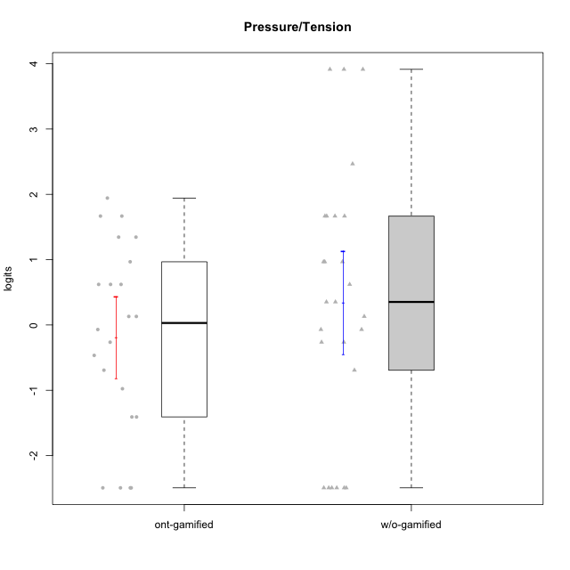

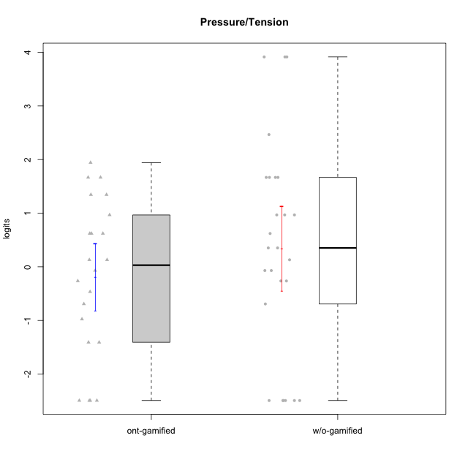

Student's t-Test data
UserID | NroUSP | Type | CLGroup | CLRole | PlayerRole | Pressure/Tension | error | WLE.rel
10170 | 10260351 | w/o-gamified | Grupo11 | Apprentice |  | -2.4937842656 | 1.394928617 | 0.7777624288
10171 | 698531 | ont-gamified | Mafia | Master | Social Achiever | -0.97620846056 | 0.60723586598 | 0.7777624288
10172 | 10273971 | w/o-gamified | Grupo5 | Apprentice |  | 1.6669516749 | 0.55097097546 | 0.7777624288
10174 | 10276852 | w/o-gamified | Grupo7 | Master |  | 1.6669516749 | 0.55097097546 | 0.7777624288
10175 | 10310700 | ont-gamified | Warriors | Master | Social Achiever | -2.4937842656 | 1.394928617 | 0.7777624288
10176 | 10276949 | ont-gamified | Outlaws | Master | Social Achiever | 1.9430884188 | 0.54072040889 | 0.7777624288
10181 | 10276866 | w/o-gamified | Grupo2 | Apprentice |  | 0.13037982206 | 0.48180139632 | 0.7777624288
10183 | 10352030 | w/o-gamified | Grupo3 | Apprentice |  | 0.9674484086 | 0.56701112258 | 0.7777624288
10184 | 10276675 | w/o-gamified | Grupo10 | Apprentice |  | 0.35226178929 | 0.50254597657 | 0.7777624288
10185 | 10276960 | w/o-gamified | Grupo9 | Apprentice |  | 0.9674484086 | 0.56701112258 | 0.7777624288
10186 | 10310551 | ont-gamified | Slayers | Apprentice | Social Achiever | 0.9674484086 | 0.56701112258 | 0.7777624288
10188 | 10276995 | ont-gamified | Vandals | Master | Yee Achiever | -2.4937842656 | 1.394928617 | 0.7777624288
10189 | 9363926 | ont-gamified | Vikings | Apprentice | Social Achiever | -1.4083210221 | 0.77021628023 | 0.7777624288
10190 | 10276907 | w/o-gamified | Grupo4 | Apprentice |  | 2.4658347658 | 0.56861880186 | 0.7777624288
10191 | 10276981 | w/o-gamified | Grupo1 | Master |  | -2.4937842656 | 1.394928617 | 0.7777624288
10192 | 10276682 | ont-gamified | Attractive Devils | Apprentice | Social Achiever | 0.62100285646 | 0.53517416338 | 0.7777624288
10193 | 10276762 | ont-gamified | Vandals | Apprentice | Yee Achiever | -1.4083210221 | 0.77021628023 | 0.7777624288
10197 | 10276661 | w/o-gamified | Grupo8 | Apprentice |  | 0.35226178929 | 0.50254597657 | 0.7777624288
10198 | 10310888 | ont-gamified | Attractive Devils | Apprentice | Social Achiever | 0.62100285646 | 0.53517416338 | 0.7777624288
10199 | 10276737 | w/o-gamified | Grupo1 | Apprentice |  | -0.069688233287 | 0.47346092554 | 0.7777624288
10200 | 9795272 | ont-gamified | Warriors | Apprentice | Social Achiever | 1.3451528196 | 0.56783577592 | 0.7777624288
10201 | 10276928 | w/o-gamified | Grupo11 | Apprentice |  | -0.069688233287 | 0.47346092554 | 0.7777624288
10202 | 10277036 | ont-gamified | Silly Knights | Apprentice | Social Achiever | -0.069688233287 | 0.47346092554 | 0.7777624288
10203 | 9921470 | ont-gamified | Mercenaries | Apprentice | Social Achiever | -0.26387077609 | 0.47742288498 | 0.7777624288
10204 | 10310471 | w/o-gamified | Grupo6 | Apprentice |  | 3.9139198914 | 1.1669142196 | 0.7777624288
10206 | 10310721 | w/o-gamified | Grupo8 | Apprentice |  | -0.26387077609 | 0.47742288498 | 0.7777624288
10208 | 10276932 | ont-gamified | Mercenaries | Master | Social Achiever | -0.69245181279 | 0.53355317344 | 0.7777624288
10210 | 10277015 | w/o-gamified | Grupo6 | Apprentice |  | 3.9139198914 | 1.1669142196 | 0.7777624288
10213 | 10277040 | w/o-gamified | Grupo7 | Apprentice |  | 1.6669516749 | 0.55097097546 | 0.7777624288
10214 | 10277022 | ont-gamified | Vikings | Apprentice | Social Achiever | 0.13037982206 | 0.48180139632 | 0.7777624288
10215 | 9285227 | ont-gamified | Vikings | Master | Social Achiever | -2.4937842656 | 1.394928617 | 0.7777624288
10216 | 10276720 | ont-gamified | Silly Knights | Master | Social Achiever | -2.4937842656 | 1.394928617 | 0.7777624288
10217 | 9805341 | w/o-gamified | Grupo9 | Apprentice |  | -2.4937842656 | 1.394928617 | 0.7777624288
10218 | 9842913 | w/o-gamified | Grupo10 | Apprentice |  | 0.9674484086 | 0.56701112258 | 0.7777624288
10219 | 10276831 | w/o-gamified | Grupo3 | Master |  | -2.4937842656 | 1.394928617 | 0.7777624288
10220 | 9760151 | w/o-gamified | Grupo3 | Apprentice |  | -2.4937842656 | 1.394928617 | 0.7777624288
10221 | 9082496 | ont-gamified | Warriors | Apprentice | Social Achiever | 0.62100285646 | 0.53517416338 | 0.7777624288
10223 | 9795185 | ont-gamified | Slayers | Master | Social Achiever | 0.13037982206 | 0.48180139632 | 0.7777624288
10224 | 9368772 | ont-gamified | Mercenaries | Apprentice | Social Achiever | 1.3451528196 | 0.56783577592 | 0.7777624288
10226 | 10310342 | w/o-gamified | Grupo4 | Apprentice |  | 3.9139198914 | 1.1669142196 | 0.7777624288
10227 | 9274382 | w/o-gamified | Grupo5 | Master |  | 0.62100285646 | 0.53517416338 | 0.7777624288
10228 | 10310492 | ont-gamified | Resistance | Apprentice | Social Achiever | -0.46573052898 | 0.49552711786 | 0.7777624288
10230 | 10351992 | ont-gamified | Resistance | Master | Social Achiever | 1.6669516749 | 0.55097097546 | 0.7777624288
10231 | 10276911 | w/o-gamified | Grupo9 | Master |  | -2.4937842656 | 1.394928617 | 0.7777624288
10232 | 10276974 | w/o-gamified | Grupo7 | Apprentice |  | -0.69245181279 | 0.53355317344 | 0.7777624288
10234 | 10310676 | w/o-gamified | Grupo4 | Master |  | -0.26387077609 | 0.47742288498 | 0.7777624288
10237 | 10377688 | ont-gamified | Outlaws | Apprentice | Social Achiever | 1.6669516749 | 0.55097097546 | 0.7777624288
10238 | 10276953 | w/o-gamified | Grupo2 | Master |  | 1.6669516749 | 0.55097097546 | 0.7777624288

Type_CLRole_1
Student's t-Test for Pressure/Tension in Type:CLRole between ont-gamified.Apprentice:ont-gamified.Master

Student's t-Test results
Alternative hypothesis: less
Group | N | Mean | Mean.Difference | Std.deviation | Std.error | CI.lower | CI.upper | df | t.value | p.value | g | magnitude
ont-gamified.Apprentice | 13 | 0.2847817332 | 1.1629347799 | 0.98789785946 | 0.27399356825 | -0.2632054033 | 0.83276886969 | 11.352812334 | 1.7625486264 | 0.94757771996 | 0.8154007772 | large
ont-gamified.Master | 9 | -0.87815304667 | -1.1629347799 | 1.8006685131 | 0.6002228377 | -2.0785987221 | 0.32229262873 | 11.352812334 | 1.7625486264 | 0.94757771996 | 0.8154007772 | large
Alternative hypothesis: greater
Group | N | Mean | Mean.Difference | Std.deviation | Std.error | CI.lower | CI.upper | df | t.value | p.value | g | magnitude
ont-gamified.Apprentice | 13 | 0.2847817332 | 1.1629347799 | 0.98789785946 | 0.27399356825 | -0.2632054033 | 0.83276886969 | 11.352812334 | 1.7625486264 | 0.052422280042 | 0.8154007772 | large
ont-gamified.Master | 9 | -0.87815304667 | -1.1629347799 | 1.8006685131 | 0.6002228377 | -2.0785987221 | 0.32229262873 | 11.352812334 | 1.7625486264 | 0.052422280042 | 0.8154007772 | large
Alternative hypothesis: two.sided
Group | N | Mean | Mean.Difference | Std.deviation | Std.error | CI.lower | CI.upper | df | t.value | p.value | g | magnitude
ont-gamified.Apprentice | 13 | 0.2847817332 | 1.1629347799 | 0.98789785946 | 0.27399356825 | -0.2632054033 | 0.83276886969 | 11.352812334 | 1.7625486264 | 0.10484456008 | 0.8154007772 | large
ont-gamified.Master | 9 | -0.87815304667 | -1.1629347799 | 1.8006685131 | 0.6002228377 | -2.0785987221 | 0.32229262873 | 11.352812334 | 1.7625486264 | 0.10484456008 | 0.8154007772 | large

Box plots for Student's t-Test
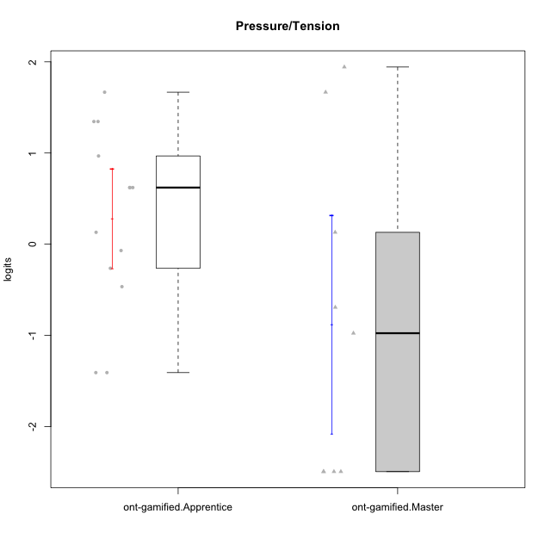

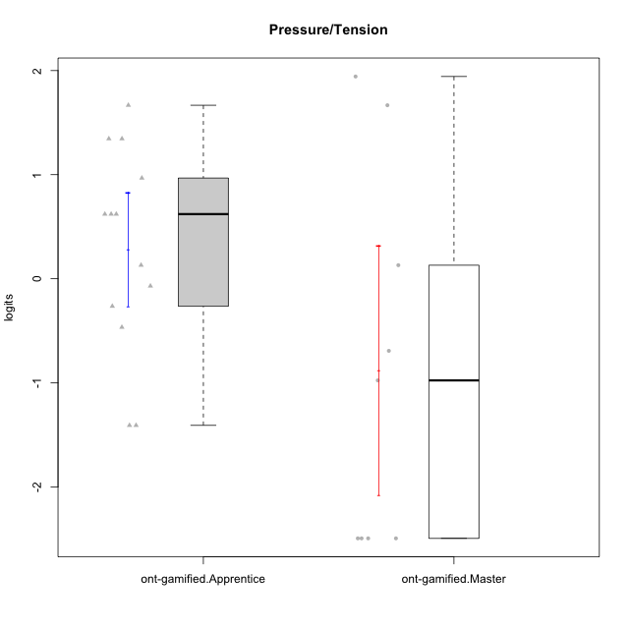

Student's t-Test data
UserID | NroUSP | Type | CLGroup | CLRole | PlayerRole | Pressure/Tension | error | WLE.rel
10171 | 698531 | ont-gamified | Mafia | Master | Social Achiever | -0.97620846056 | 0.60723586598 | 0.7777624288
10175 | 10310700 | ont-gamified | Warriors | Master | Social Achiever | -2.4937842656 | 1.394928617 | 0.7777624288
10176 | 10276949 | ont-gamified | Outlaws | Master | Social Achiever | 1.9430884188 | 0.54072040889 | 0.7777624288
10186 | 10310551 | ont-gamified | Slayers | Apprentice | Social Achiever | 0.9674484086 | 0.56701112258 | 0.7777624288
10188 | 10276995 | ont-gamified | Vandals | Master | Yee Achiever | -2.4937842656 | 1.394928617 | 0.7777624288
10189 | 9363926 | ont-gamified | Vikings | Apprentice | Social Achiever | -1.4083210221 | 0.77021628023 | 0.7777624288
10192 | 10276682 | ont-gamified | Attractive Devils | Apprentice | Social Achiever | 0.62100285646 | 0.53517416338 | 0.7777624288
10193 | 10276762 | ont-gamified | Vandals | Apprentice | Yee Achiever | -1.4083210221 | 0.77021628023 | 0.7777624288
10198 | 10310888 | ont-gamified | Attractive Devils | Apprentice | Social Achiever | 0.62100285646 | 0.53517416338 | 0.7777624288
10200 | 9795272 | ont-gamified | Warriors | Apprentice | Social Achiever | 1.3451528196 | 0.56783577592 | 0.7777624288
10202 | 10277036 | ont-gamified | Silly Knights | Apprentice | Social Achiever | -0.069688233287 | 0.47346092554 | 0.7777624288
10203 | 9921470 | ont-gamified | Mercenaries | Apprentice | Social Achiever | -0.26387077609 | 0.47742288498 | 0.7777624288
10208 | 10276932 | ont-gamified | Mercenaries | Master | Social Achiever | -0.69245181279 | 0.53355317344 | 0.7777624288
10214 | 10277022 | ont-gamified | Vikings | Apprentice | Social Achiever | 0.13037982206 | 0.48180139632 | 0.7777624288
10215 | 9285227 | ont-gamified | Vikings | Master | Social Achiever | -2.4937842656 | 1.394928617 | 0.7777624288
10216 | 10276720 | ont-gamified | Silly Knights | Master | Social Achiever | -2.4937842656 | 1.394928617 | 0.7777624288
10221 | 9082496 | ont-gamified | Warriors | Apprentice | Social Achiever | 0.62100285646 | 0.53517416338 | 0.7777624288
10223 | 9795185 | ont-gamified | Slayers | Master | Social Achiever | 0.13037982206 | 0.48180139632 | 0.7777624288
10224 | 9368772 | ont-gamified | Mercenaries | Apprentice | Social Achiever | 1.3451528196 | 0.56783577592 | 0.7777624288
10228 | 10310492 | ont-gamified | Resistance | Apprentice | Social Achiever | -0.46573052898 | 0.49552711786 | 0.7777624288
10230 | 10351992 | ont-gamified | Resistance | Master | Social Achiever | 1.6669516749 | 0.55097097546 | 0.7777624288
10237 | 10377688 | ont-gamified | Outlaws | Apprentice | Social Achiever | 1.6669516749 | 0.55097097546 | 0.7777624288

Type_CLRole_2
Student's t-Test for Pressure/Tension in Type:CLRole between ont-gamified.Apprentice:w/o-gamified.Apprentice

Student's t-Test results
Alternative hypothesis: less
Group | N | Mean | Mean.Difference | Std.deviation | Std.error | CI.lower | CI.upper | df | t.value | p.value | g | magnitude
ont-gamified.Apprentice | 13 | 0.2847817332 | -0.38372850701 | 0.98789785946 | 0.27399356825 | -0.2632054033 | 0.83276886969 | 27.868279462 | -0.72028203556 | 0.2386748903 | -0.22474368311 | small
w/o-gamified.Apprentice | 19 | 0.6685102402 | 0.38372850701 | 1.9915327113 | 0.45688893849 | -0.24526763678 | 1.5822881172 | 27.868279462 | -0.72028203556 | 0.2386748903 | -0.22474368311 | small
Alternative hypothesis: greater
Group | N | Mean | Mean.Difference | Std.deviation | Std.error | CI.lower | CI.upper | df | t.value | p.value | g | magnitude
ont-gamified.Apprentice | 13 | 0.2847817332 | -0.38372850701 | 0.98789785946 | 0.27399356825 | -0.2632054033 | 0.83276886969 | 27.868279462 | -0.72028203556 | 0.7613251097 | -0.22474368311 | small
w/o-gamified.Apprentice | 19 | 0.6685102402 | 0.38372850701 | 1.9915327113 | 0.45688893849 | -0.24526763678 | 1.5822881172 | 27.868279462 | -0.72028203556 | 0.7613251097 | -0.22474368311 | small
Alternative hypothesis: two.sided
Group | N | Mean | Mean.Difference | Std.deviation | Std.error | CI.lower | CI.upper | df | t.value | p.value | g | magnitude
ont-gamified.Apprentice | 13 | 0.2847817332 | -0.38372850701 | 0.98789785946 | 0.27399356825 | -0.2632054033 | 0.83276886969 | 27.868279462 | -0.72028203556 | 0.4773497806 | -0.22474368311 | small
w/o-gamified.Apprentice | 19 | 0.6685102402 | 0.38372850701 | 1.9915327113 | 0.45688893849 | -0.24526763678 | 1.5822881172 | 27.868279462 | -0.72028203556 | 0.4773497806 | -0.22474368311 | small

Box plots for Student's t-Test
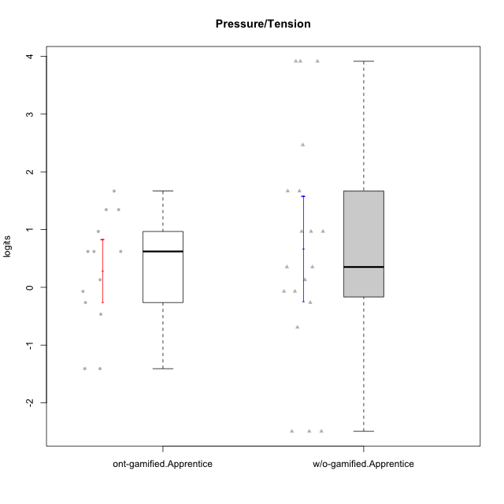

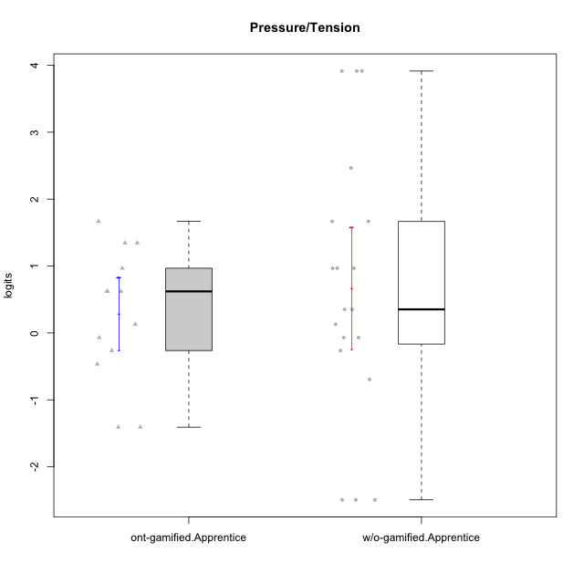

Student's t-Test data
UserID | NroUSP | Type | CLGroup | CLRole | PlayerRole | Pressure/Tension | error | WLE.rel
10170 | 10260351 | w/o-gamified | Grupo11 | Apprentice |  | -2.4937842656 | 1.394928617 | 0.7777624288
10172 | 10273971 | w/o-gamified | Grupo5 | Apprentice |  | 1.6669516749 | 0.55097097546 | 0.7777624288
10181 | 10276866 | w/o-gamified | Grupo2 | Apprentice |  | 0.13037982206 | 0.48180139632 | 0.7777624288
10183 | 10352030 | w/o-gamified | Grupo3 | Apprentice |  | 0.9674484086 | 0.56701112258 | 0.7777624288
10184 | 10276675 | w/o-gamified | Grupo10 | Apprentice |  | 0.35226178929 | 0.50254597657 | 0.7777624288
10185 | 10276960 | w/o-gamified | Grupo9 | Apprentice |  | 0.9674484086 | 0.56701112258 | 0.7777624288
10186 | 10310551 | ont-gamified | Slayers | Apprentice | Social Achiever | 0.9674484086 | 0.56701112258 | 0.7777624288
10189 | 9363926 | ont-gamified | Vikings | Apprentice | Social Achiever | -1.4083210221 | 0.77021628023 | 0.7777624288
10190 | 10276907 | w/o-gamified | Grupo4 | Apprentice |  | 2.4658347658 | 0.56861880186 | 0.7777624288
10192 | 10276682 | ont-gamified | Attractive Devils | Apprentice | Social Achiever | 0.62100285646 | 0.53517416338 | 0.7777624288
10193 | 10276762 | ont-gamified | Vandals | Apprentice | Yee Achiever | -1.4083210221 | 0.77021628023 | 0.7777624288
10197 | 10276661 | w/o-gamified | Grupo8 | Apprentice |  | 0.35226178929 | 0.50254597657 | 0.7777624288
10198 | 10310888 | ont-gamified | Attractive Devils | Apprentice | Social Achiever | 0.62100285646 | 0.53517416338 | 0.7777624288
10199 | 10276737 | w/o-gamified | Grupo1 | Apprentice |  | -0.069688233287 | 0.47346092554 | 0.7777624288
10200 | 9795272 | ont-gamified | Warriors | Apprentice | Social Achiever | 1.3451528196 | 0.56783577592 | 0.7777624288
10201 | 10276928 | w/o-gamified | Grupo11 | Apprentice |  | -0.069688233287 | 0.47346092554 | 0.7777624288
10202 | 10277036 | ont-gamified | Silly Knights | Apprentice | Social Achiever | -0.069688233287 | 0.47346092554 | 0.7777624288
10203 | 9921470 | ont-gamified | Mercenaries | Apprentice | Social Achiever | -0.26387077609 | 0.47742288498 | 0.7777624288
10204 | 10310471 | w/o-gamified | Grupo6 | Apprentice |  | 3.9139198914 | 1.1669142196 | 0.7777624288
10206 | 10310721 | w/o-gamified | Grupo8 | Apprentice |  | -0.26387077609 | 0.47742288498 | 0.7777624288
10210 | 10277015 | w/o-gamified | Grupo6 | Apprentice |  | 3.9139198914 | 1.1669142196 | 0.7777624288
10213 | 10277040 | w/o-gamified | Grupo7 | Apprentice |  | 1.6669516749 | 0.55097097546 | 0.7777624288
10214 | 10277022 | ont-gamified | Vikings | Apprentice | Social Achiever | 0.13037982206 | 0.48180139632 | 0.7777624288
10217 | 9805341 | w/o-gamified | Grupo9 | Apprentice |  | -2.4937842656 | 1.394928617 | 0.7777624288
10218 | 9842913 | w/o-gamified | Grupo10 | Apprentice |  | 0.9674484086 | 0.56701112258 | 0.7777624288
10220 | 9760151 | w/o-gamified | Grupo3 | Apprentice |  | -2.4937842656 | 1.394928617 | 0.7777624288
10221 | 9082496 | ont-gamified | Warriors | Apprentice | Social Achiever | 0.62100285646 | 0.53517416338 | 0.7777624288
10224 | 9368772 | ont-gamified | Mercenaries | Apprentice | Social Achiever | 1.3451528196 | 0.56783577592 | 0.7777624288
10226 | 10310342 | w/o-gamified | Grupo4 | Apprentice |  | 3.9139198914 | 1.1669142196 | 0.7777624288
10228 | 10310492 | ont-gamified | Resistance | Apprentice | Social Achiever | -0.46573052898 | 0.49552711786 | 0.7777624288
10232 | 10276974 | w/o-gamified | Grupo7 | Apprentice |  | -0.69245181279 | 0.53355317344 | 0.7777624288
10237 | 10377688 | ont-gamified | Outlaws | Apprentice | Social Achiever | 1.6669516749 | 0.55097097546 | 0.7777624288

Type_CLRole_3
Student's t-Test for Pressure/Tension in Type:CLRole between ont-gamified.Apprentice:w/o-gamified.Master

Student's t-Test results
Alternative hypothesis: less
Group | N | Mean | Mean.Difference | Std.deviation | Std.error | CI.lower | CI.upper | df | t.value | p.value | g | magnitude
ont-gamified.Apprentice | 13 | 0.2847817332 | 0.82625564273 | 0.98789785946 | 0.27399356825 | -0.2632054033 | 0.83276886969 | 7.7145492254 | 1.0548225292 | 0.83829101637 | 0.57302488923 | medium
w/o-gamified.Master | 7 | -0.54147390954 | -0.82625564273 | 1.9415307549 | 0.73382964862 | -2.0091332068 | 0.9261853877 | 7.7145492254 | 1.0548225292 | 0.83829101637 | 0.57302488923 | medium
Alternative hypothesis: greater
Group | N | Mean | Mean.Difference | Std.deviation | Std.error | CI.lower | CI.upper | df | t.value | p.value | g | magnitude
ont-gamified.Apprentice | 13 | 0.2847817332 | 0.82625564273 | 0.98789785946 | 0.27399356825 | -0.2632054033 | 0.83276886969 | 7.7145492254 | 1.0548225292 | 0.16170898363 | 0.57302488923 | medium
w/o-gamified.Master | 7 | -0.54147390954 | -0.82625564273 | 1.9415307549 | 0.73382964862 | -2.0091332068 | 0.9261853877 | 7.7145492254 | 1.0548225292 | 0.16170898363 | 0.57302488923 | medium
Alternative hypothesis: two.sided
Group | N | Mean | Mean.Difference | Std.deviation | Std.error | CI.lower | CI.upper | df | t.value | p.value | g | magnitude
ont-gamified.Apprentice | 13 | 0.2847817332 | 0.82625564273 | 0.98789785946 | 0.27399356825 | -0.2632054033 | 0.83276886969 | 7.7145492254 | 1.0548225292 | 0.32341796726 | 0.57302488923 | medium
w/o-gamified.Master | 7 | -0.54147390954 | -0.82625564273 | 1.9415307549 | 0.73382964862 | -2.0091332068 | 0.9261853877 | 7.7145492254 | 1.0548225292 | 0.32341796726 | 0.57302488923 | medium

Box plots for Student's t-Test
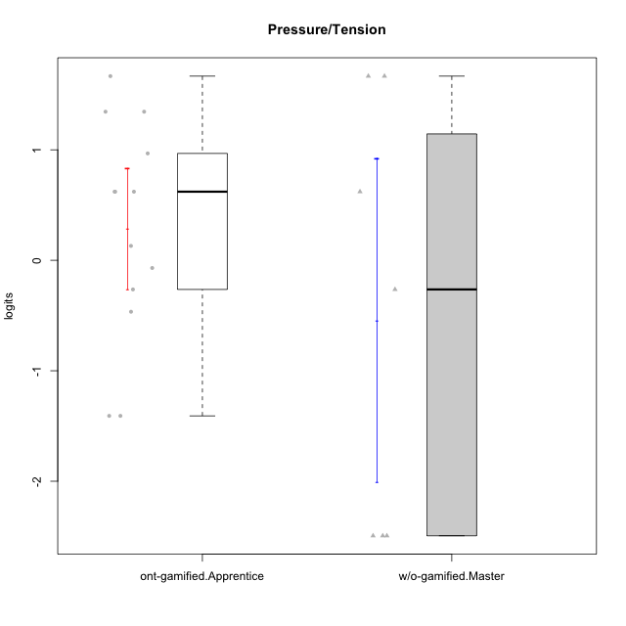

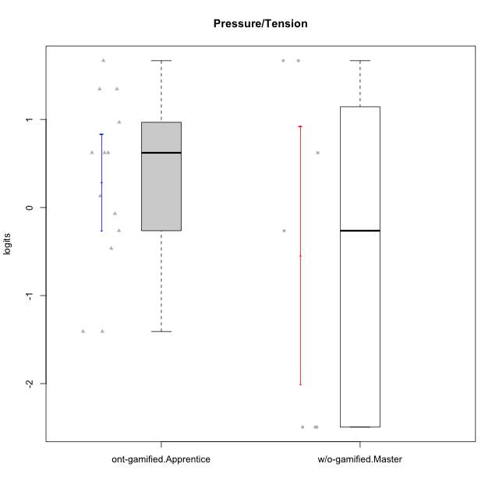

Student's t-Test data
UserID | NroUSP | Type | CLGroup | CLRole | PlayerRole | Pressure/Tension | error | WLE.rel
10174 | 10276852 | w/o-gamified | Grupo7 | Master |  | 1.6669516749 | 0.55097097546 | 0.7777624288
10186 | 10310551 | ont-gamified | Slayers | Apprentice | Social Achiever | 0.9674484086 | 0.56701112258 | 0.7777624288
10189 | 9363926 | ont-gamified | Vikings | Apprentice | Social Achiever | -1.4083210221 | 0.77021628023 | 0.7777624288
10191 | 10276981 | w/o-gamified | Grupo1 | Master |  | -2.4937842656 | 1.394928617 | 0.7777624288
10192 | 10276682 | ont-gamified | Attractive Devils | Apprentice | Social Achiever | 0.62100285646 | 0.53517416338 | 0.7777624288
10193 | 10276762 | ont-gamified | Vandals | Apprentice | Yee Achiever | -1.4083210221 | 0.77021628023 | 0.7777624288
10198 | 10310888 | ont-gamified | Attractive Devils | Apprentice | Social Achiever | 0.62100285646 | 0.53517416338 | 0.7777624288
10200 | 9795272 | ont-gamified | Warriors | Apprentice | Social Achiever | 1.3451528196 | 0.56783577592 | 0.7777624288
10202 | 10277036 | ont-gamified | Silly Knights | Apprentice | Social Achiever | -0.069688233287 | 0.47346092554 | 0.7777624288
10203 | 9921470 | ont-gamified | Mercenaries | Apprentice | Social Achiever | -0.26387077609 | 0.47742288498 | 0.7777624288
10214 | 10277022 | ont-gamified | Vikings | Apprentice | Social Achiever | 0.13037982206 | 0.48180139632 | 0.7777624288
10219 | 10276831 | w/o-gamified | Grupo3 | Master |  | -2.4937842656 | 1.394928617 | 0.7777624288
10221 | 9082496 | ont-gamified | Warriors | Apprentice | Social Achiever | 0.62100285646 | 0.53517416338 | 0.7777624288
10224 | 9368772 | ont-gamified | Mercenaries | Apprentice | Social Achiever | 1.3451528196 | 0.56783577592 | 0.7777624288
10227 | 9274382 | w/o-gamified | Grupo5 | Master |  | 0.62100285646 | 0.53517416338 | 0.7777624288
10228 | 10310492 | ont-gamified | Resistance | Apprentice | Social Achiever | -0.46573052898 | 0.49552711786 | 0.7777624288
10231 | 10276911 | w/o-gamified | Grupo9 | Master |  | -2.4937842656 | 1.394928617 | 0.7777624288
10234 | 10310676 | w/o-gamified | Grupo4 | Master |  | -0.26387077609 | 0.47742288498 | 0.7777624288
10237 | 10377688 | ont-gamified | Outlaws | Apprentice | Social Achiever | 1.6669516749 | 0.55097097546 | 0.7777624288
10238 | 10276953 | w/o-gamified | Grupo2 | Master |  | 1.6669516749 | 0.55097097546 | 0.7777624288

Type_CLRole_4
Student's t-Test for Pressure/Tension in Type:CLRole between ont-gamified.Master:w/o-gamified.Apprentice

Student's t-Test results
Alternative hypothesis: less
Group | N | Mean | Mean.Difference | Std.deviation | Std.error | CI.lower | CI.upper | df | t.value | p.value | g | magnitude
ont-gamified.Master | 9 | -0.87815304667 | -1.5466632869 | 1.8006685131 | 0.6002228377 | -2.0785987221 | 0.32229262873 | 17.365461359 | -2.0503780109 | 0.027867693373 | -0.77610387343 | medium
w/o-gamified.Apprentice | 19 | 0.6685102402 | 1.5466632869 | 1.9915327113 | 0.45688893849 | -0.24526763678 | 1.5822881172 | 17.365461359 | -2.0503780109 | 0.027867693373 | -0.77610387343 | medium
Alternative hypothesis: greater
Group | N | Mean | Mean.Difference | Std.deviation | Std.error | CI.lower | CI.upper | df | t.value | p.value | g | magnitude
ont-gamified.Master | 9 | -0.87815304667 | -1.5466632869 | 1.8006685131 | 0.6002228377 | -2.0785987221 | 0.32229262873 | 17.365461359 | -2.0503780109 | 0.97213230663 | -0.77610387343 | medium
w/o-gamified.Apprentice | 19 | 0.6685102402 | 1.5466632869 | 1.9915327113 | 0.45688893849 | -0.24526763678 | 1.5822881172 | 17.365461359 | -2.0503780109 | 0.97213230663 | -0.77610387343 | medium
Alternative hypothesis: two.sided
Group | N | Mean | Mean.Difference | Std.deviation | Std.error | CI.lower | CI.upper | df | t.value | p.value | g | magnitude
ont-gamified.Master | 9 | -0.87815304667 | -1.5466632869 | 1.8006685131 | 0.6002228377 | -2.0785987221 | 0.32229262873 | 17.365461359 | -2.0503780109 | 0.055735386747 | -0.77610387343 | medium
w/o-gamified.Apprentice | 19 | 0.6685102402 | 1.5466632869 | 1.9915327113 | 0.45688893849 | -0.24526763678 | 1.5822881172 | 17.365461359 | -2.0503780109 | 0.055735386747 | -0.77610387343 | medium

Box plots for Student's t-Test
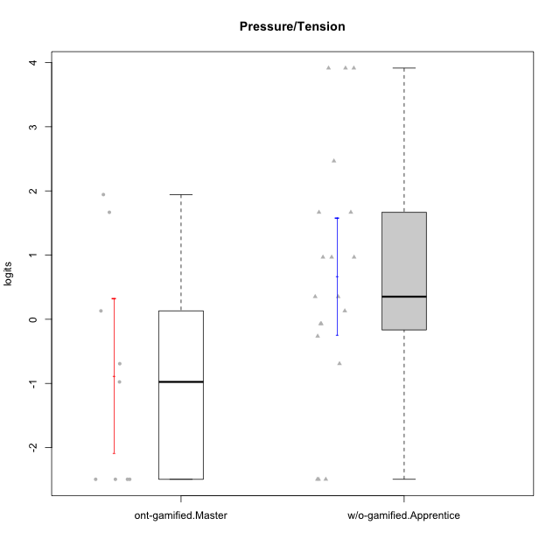

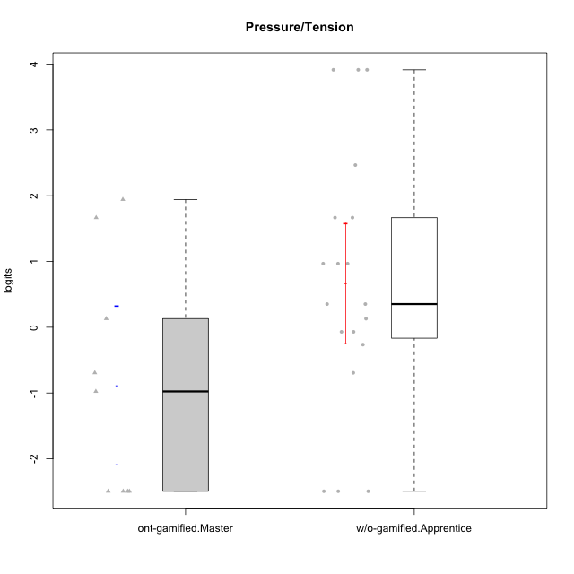

Student's t-Test data
UserID | NroUSP | Type | CLGroup | CLRole | PlayerRole | Pressure/Tension | error | WLE.rel
10170 | 10260351 | w/o-gamified | Grupo11 | Apprentice |  | -2.4937842656 | 1.394928617 | 0.7777624288
10171 | 698531 | ont-gamified | Mafia | Master | Social Achiever | -0.97620846056 | 0.60723586598 | 0.7777624288
10172 | 10273971 | w/o-gamified | Grupo5 | Apprentice |  | 1.6669516749 | 0.55097097546 | 0.7777624288
10175 | 10310700 | ont-gamified | Warriors | Master | Social Achiever | -2.4937842656 | 1.394928617 | 0.7777624288
10176 | 10276949 | ont-gamified | Outlaws | Master | Social Achiever | 1.9430884188 | 0.54072040889 | 0.7777624288
10181 | 10276866 | w/o-gamified | Grupo2 | Apprentice |  | 0.13037982206 | 0.48180139632 | 0.7777624288
10183 | 10352030 | w/o-gamified | Grupo3 | Apprentice |  | 0.9674484086 | 0.56701112258 | 0.7777624288
10184 | 10276675 | w/o-gamified | Grupo10 | Apprentice |  | 0.35226178929 | 0.50254597657 | 0.7777624288
10185 | 10276960 | w/o-gamified | Grupo9 | Apprentice |  | 0.9674484086 | 0.56701112258 | 0.7777624288
10188 | 10276995 | ont-gamified | Vandals | Master | Yee Achiever | -2.4937842656 | 1.394928617 | 0.7777624288
10190 | 10276907 | w/o-gamified | Grupo4 | Apprentice |  | 2.4658347658 | 0.56861880186 | 0.7777624288
10197 | 10276661 | w/o-gamified | Grupo8 | Apprentice |  | 0.35226178929 | 0.50254597657 | 0.7777624288
10199 | 10276737 | w/o-gamified | Grupo1 | Apprentice |  | -0.069688233287 | 0.47346092554 | 0.7777624288
10201 | 10276928 | w/o-gamified | Grupo11 | Apprentice |  | -0.069688233287 | 0.47346092554 | 0.7777624288
10204 | 10310471 | w/o-gamified | Grupo6 | Apprentice |  | 3.9139198914 | 1.1669142196 | 0.7777624288
10206 | 10310721 | w/o-gamified | Grupo8 | Apprentice |  | -0.26387077609 | 0.47742288498 | 0.7777624288
10208 | 10276932 | ont-gamified | Mercenaries | Master | Social Achiever | -0.69245181279 | 0.53355317344 | 0.7777624288
10210 | 10277015 | w/o-gamified | Grupo6 | Apprentice |  | 3.9139198914 | 1.1669142196 | 0.7777624288
10213 | 10277040 | w/o-gamified | Grupo7 | Apprentice |  | 1.6669516749 | 0.55097097546 | 0.7777624288
10215 | 9285227 | ont-gamified | Vikings | Master | Social Achiever | -2.4937842656 | 1.394928617 | 0.7777624288
10216 | 10276720 | ont-gamified | Silly Knights | Master | Social Achiever | -2.4937842656 | 1.394928617 | 0.7777624288
10217 | 9805341 | w/o-gamified | Grupo9 | Apprentice |  | -2.4937842656 | 1.394928617 | 0.7777624288
10218 | 9842913 | w/o-gamified | Grupo10 | Apprentice |  | 0.9674484086 | 0.56701112258 | 0.7777624288
10220 | 9760151 | w/o-gamified | Grupo3 | Apprentice |  | -2.4937842656 | 1.394928617 | 0.7777624288
10223 | 9795185 | ont-gamified | Slayers | Master | Social Achiever | 0.13037982206 | 0.48180139632 | 0.7777624288
10226 | 10310342 | w/o-gamified | Grupo4 | Apprentice |  | 3.9139198914 | 1.1669142196 | 0.7777624288
10230 | 10351992 | ont-gamified | Resistance | Master | Social Achiever | 1.6669516749 | 0.55097097546 | 0.7777624288
10232 | 10276974 | w/o-gamified | Grupo7 | Apprentice |  | -0.69245181279 | 0.53355317344 | 0.7777624288

Type_CLRole_5
Student's t-Test for Pressure/Tension in Type:CLRole between ont-gamified.Master:w/o-gamified.Master

Student's t-Test results
Alternative hypothesis: less
Group | N | Mean | Mean.Difference | Std.deviation | Std.error | CI.lower | CI.upper | df | t.value | p.value | g | magnitude
ont-gamified.Master | 9 | -0.87815304667 | -0.33667913713 | 1.8006685131 | 0.6002228377 | -2.0785987221 | 0.32229262873 | 12.513160694 | -0.3551330557 | 0.36420204368 | -0.17092168268 | negligible
w/o-gamified.Master | 7 | -0.54147390954 | 0.33667913713 | 1.9415307549 | 0.73382964862 | -2.0091332068 | 0.9261853877 | 12.513160694 | -0.3551330557 | 0.36420204368 | -0.17092168268 | negligible
Alternative hypothesis: greater
Group | N | Mean | Mean.Difference | Std.deviation | Std.error | CI.lower | CI.upper | df | t.value | p.value | g | magnitude
ont-gamified.Master | 9 | -0.87815304667 | -0.33667913713 | 1.8006685131 | 0.6002228377 | -2.0785987221 | 0.32229262873 | 12.513160694 | -0.3551330557 | 0.63579795632 | -0.17092168268 | negligible
w/o-gamified.Master | 7 | -0.54147390954 | 0.33667913713 | 1.9415307549 | 0.73382964862 | -2.0091332068 | 0.9261853877 | 12.513160694 | -0.3551330557 | 0.63579795632 | -0.17092168268 | negligible
Alternative hypothesis: two.sided
Group | N | Mean | Mean.Difference | Std.deviation | Std.error | CI.lower | CI.upper | df | t.value | p.value | g | magnitude
ont-gamified.Master | 9 | -0.87815304667 | -0.33667913713 | 1.8006685131 | 0.6002228377 | -2.0785987221 | 0.32229262873 | 12.513160694 | -0.3551330557 | 0.72840408737 | -0.17092168268 | negligible
w/o-gamified.Master | 7 | -0.54147390954 | 0.33667913713 | 1.9415307549 | 0.73382964862 | -2.0091332068 | 0.9261853877 | 12.513160694 | -0.3551330557 | 0.72840408737 | -0.17092168268 | negligible

Box plots for Student's t-Test
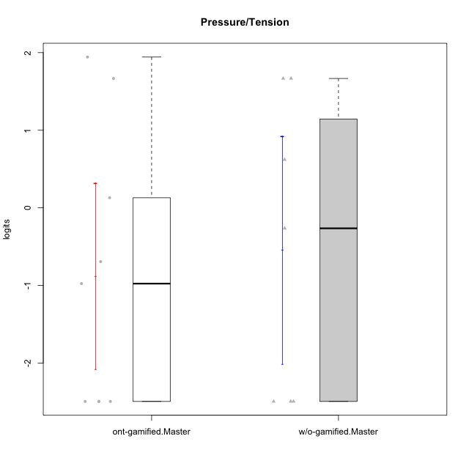

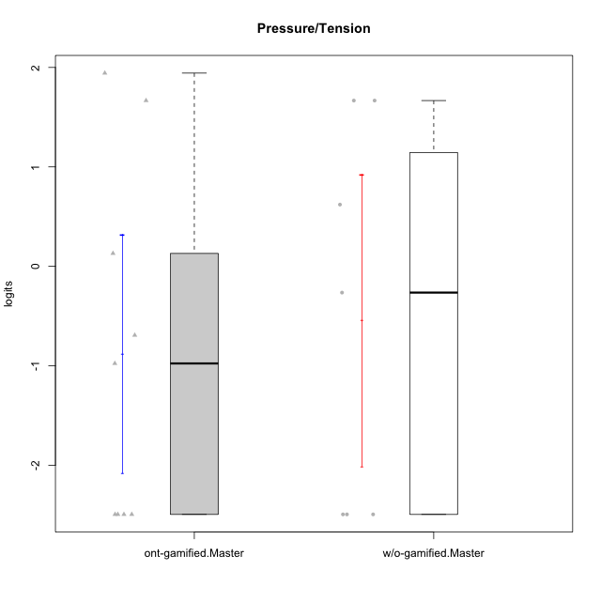

Student's t-Test data
UserID | NroUSP | Type | CLGroup | CLRole | PlayerRole | Pressure/Tension | error | WLE.rel
10171 | 698531 | ont-gamified | Mafia | Master | Social Achiever | -0.97620846056 | 0.60723586598 | 0.7777624288
10174 | 10276852 | w/o-gamified | Grupo7 | Master |  | 1.6669516749 | 0.55097097546 | 0.7777624288
10175 | 10310700 | ont-gamified | Warriors | Master | Social Achiever | -2.4937842656 | 1.394928617 | 0.7777624288
10176 | 10276949 | ont-gamified | Outlaws | Master | Social Achiever | 1.9430884188 | 0.54072040889 | 0.7777624288
10188 | 10276995 | ont-gamified | Vandals | Master | Yee Achiever | -2.4937842656 | 1.394928617 | 0.7777624288
10191 | 10276981 | w/o-gamified | Grupo1 | Master |  | -2.4937842656 | 1.394928617 | 0.7777624288
10208 | 10276932 | ont-gamified | Mercenaries | Master | Social Achiever | -0.69245181279 | 0.53355317344 | 0.7777624288
10215 | 9285227 | ont-gamified | Vikings | Master | Social Achiever | -2.4937842656 | 1.394928617 | 0.7777624288
10216 | 10276720 | ont-gamified | Silly Knights | Master | Social Achiever | -2.4937842656 | 1.394928617 | 0.7777624288
10219 | 10276831 | w/o-gamified | Grupo3 | Master |  | -2.4937842656 | 1.394928617 | 0.7777624288
10223 | 9795185 | ont-gamified | Slayers | Master | Social Achiever | 0.13037982206 | 0.48180139632 | 0.7777624288
10227 | 9274382 | w/o-gamified | Grupo5 | Master |  | 0.62100285646 | 0.53517416338 | 0.7777624288
10230 | 10351992 | ont-gamified | Resistance | Master | Social Achiever | 1.6669516749 | 0.55097097546 | 0.7777624288
10231 | 10276911 | w/o-gamified | Grupo9 | Master |  | -2.4937842656 | 1.394928617 | 0.7777624288
10234 | 10310676 | w/o-gamified | Grupo4 | Master |  | -0.26387077609 | 0.47742288498 | 0.7777624288
10238 | 10276953 | w/o-gamified | Grupo2 | Master |  | 1.6669516749 | 0.55097097546 | 0.7777624288

Type_CLRole_6
Student's t-Test for Pressure/Tension in Type:CLRole between w/o-gamified.Apprentice:w/o-gamified.Master

Student's t-Test results
Alternative hypothesis: less
Group | N | Mean | Mean.Difference | Std.deviation | Std.error | CI.lower | CI.upper | df | t.value | p.value | g | magnitude
w/o-gamified.Apprentice | 19 | 0.6685102402 | 1.2099841497 | 1.9915327113 | 0.45688893849 | -0.24526763678 | 1.5822881172 | 11.002213941 | 1.3997346557 | 0.90542374443 | 0.59205908342 | medium
w/o-gamified.Master | 7 | -0.54147390954 | -1.2099841497 | 1.9415307549 | 0.73382964862 | -2.0091332068 | 0.9261853877 | 11.002213941 | 1.3997346557 | 0.90542374443 | 0.59205908342 | medium
Alternative hypothesis: greater
Group | N | Mean | Mean.Difference | Std.deviation | Std.error | CI.lower | CI.upper | df | t.value | p.value | g | magnitude
w/o-gamified.Apprentice | 19 | 0.6685102402 | 1.2099841497 | 1.9915327113 | 0.45688893849 | -0.24526763678 | 1.5822881172 | 11.002213941 | 1.3997346557 | 0.094576255574 | 0.59205908342 | medium
w/o-gamified.Master | 7 | -0.54147390954 | -1.2099841497 | 1.9415307549 | 0.73382964862 | -2.0091332068 | 0.9261853877 | 11.002213941 | 1.3997346557 | 0.094576255574 | 0.59205908342 | medium
Alternative hypothesis: two.sided
Group | N | Mean | Mean.Difference | Std.deviation | Std.error | CI.lower | CI.upper | df | t.value | p.value | g | magnitude
w/o-gamified.Apprentice | 19 | 0.6685102402 | 1.2099841497 | 1.9915327113 | 0.45688893849 | -0.24526763678 | 1.5822881172 | 11.002213941 | 1.3997346557 | 0.18915251115 | 0.59205908342 | medium
w/o-gamified.Master | 7 | -0.54147390954 | -1.2099841497 | 1.9415307549 | 0.73382964862 | -2.0091332068 | 0.9261853877 | 11.002213941 | 1.3997346557 | 0.18915251115 | 0.59205908342 | medium

Box plots for Student's t-Test
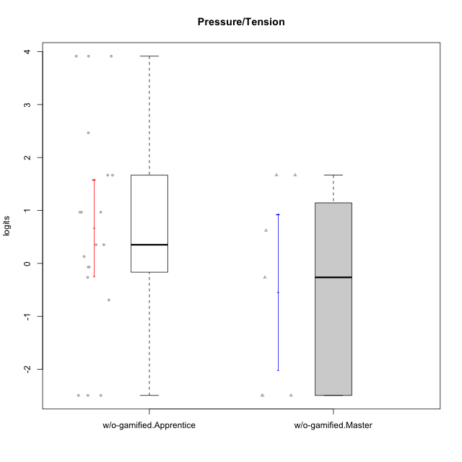

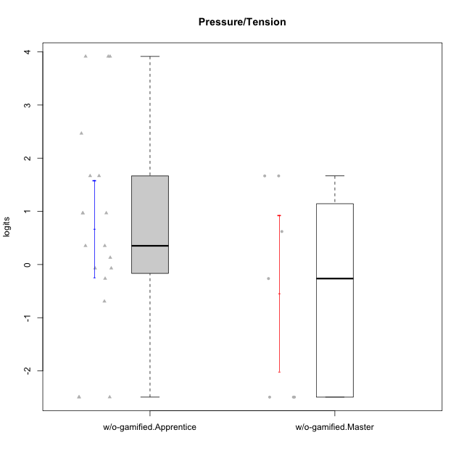

Student's t-Test data
UserID | NroUSP | Type | CLGroup | CLRole | PlayerRole | Pressure/Tension | error | WLE.rel
10170 | 10260351 | w/o-gamified | Grupo11 | Apprentice |  | -2.4937842656 | 1.394928617 | 0.7777624288
10172 | 10273971 | w/o-gamified | Grupo5 | Apprentice |  | 1.6669516749 | 0.55097097546 | 0.7777624288
10174 | 10276852 | w/o-gamified | Grupo7 | Master |  | 1.6669516749 | 0.55097097546 | 0.7777624288
10181 | 10276866 | w/o-gamified | Grupo2 | Apprentice |  | 0.13037982206 | 0.48180139632 | 0.7777624288
10183 | 10352030 | w/o-gamified | Grupo3 | Apprentice |  | 0.9674484086 | 0.56701112258 | 0.7777624288
10184 | 10276675 | w/o-gamified | Grupo10 | Apprentice |  | 0.35226178929 | 0.50254597657 | 0.7777624288
10185 | 10276960 | w/o-gamified | Grupo9 | Apprentice |  | 0.9674484086 | 0.56701112258 | 0.7777624288
10190 | 10276907 | w/o-gamified | Grupo4 | Apprentice |  | 2.4658347658 | 0.56861880186 | 0.7777624288
10191 | 10276981 | w/o-gamified | Grupo1 | Master |  | -2.4937842656 | 1.394928617 | 0.7777624288
10197 | 10276661 | w/o-gamified | Grupo8 | Apprentice |  | 0.35226178929 | 0.50254597657 | 0.7777624288
10199 | 10276737 | w/o-gamified | Grupo1 | Apprentice |  | -0.069688233287 | 0.47346092554 | 0.7777624288
10201 | 10276928 | w/o-gamified | Grupo11 | Apprentice |  | -0.069688233287 | 0.47346092554 | 0.7777624288
10204 | 10310471 | w/o-gamified | Grupo6 | Apprentice |  | 3.9139198914 | 1.1669142196 | 0.7777624288
10206 | 10310721 | w/o-gamified | Grupo8 | Apprentice |  | -0.26387077609 | 0.47742288498 | 0.7777624288
10210 | 10277015 | w/o-gamified | Grupo6 | Apprentice |  | 3.9139198914 | 1.1669142196 | 0.7777624288
10213 | 10277040 | w/o-gamified | Grupo7 | Apprentice |  | 1.6669516749 | 0.55097097546 | 0.7777624288
10217 | 9805341 | w/o-gamified | Grupo9 | Apprentice |  | -2.4937842656 | 1.394928617 | 0.7777624288
10218 | 9842913 | w/o-gamified | Grupo10 | Apprentice |  | 0.9674484086 | 0.56701112258 | 0.7777624288
10219 | 10276831 | w/o-gamified | Grupo3 | Master |  | -2.4937842656 | 1.394928617 | 0.7777624288
10220 | 9760151 | w/o-gamified | Grupo3 | Apprentice |  | -2.4937842656 | 1.394928617 | 0.7777624288
10226 | 10310342 | w/o-gamified | Grupo4 | Apprentice |  | 3.9139198914 | 1.1669142196 | 0.7777624288
10227 | 9274382 | w/o-gamified | Grupo5 | Master |  | 0.62100285646 | 0.53517416338 | 0.7777624288
10231 | 10276911 | w/o-gamified | Grupo9 | Master |  | -2.4937842656 | 1.394928617 | 0.7777624288
10232 | 10276974 | w/o-gamified | Grupo7 | Apprentice |  | -0.69245181279 | 0.53355317344 | 0.7777624288
10234 | 10310676 | w/o-gamified | Grupo4 | Master |  | -0.26387077609 | 0.47742288498 | 0.7777624288
10238 | 10276953 | w/o-gamified | Grupo2 | Master |  | 1.6669516749 | 0.55097097546 | 0.7777624288

