Assumptions
ANOVA assumptions for Difference of Programming Skill - Loops

Shapiro-Wilk normality test for Difference of Programming Skill - Loops
W | p.value
0.96275902994 | 0.14673704753

Plots for normality test
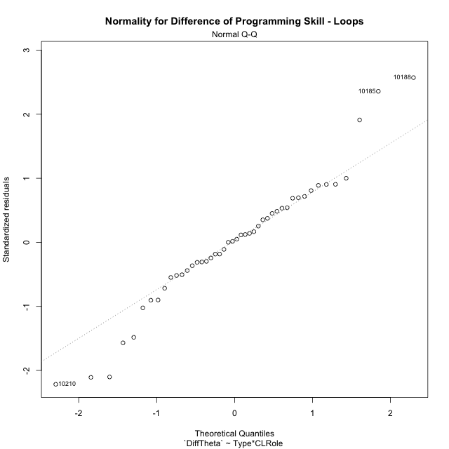

Levene's Test for Homogeneity of Variance in Difference of Programming Skill - Loops
Df | F value | Pr(>F)
3 | 2.2314818096 | 0.098585122459
42

Plots for homogeneity of variance
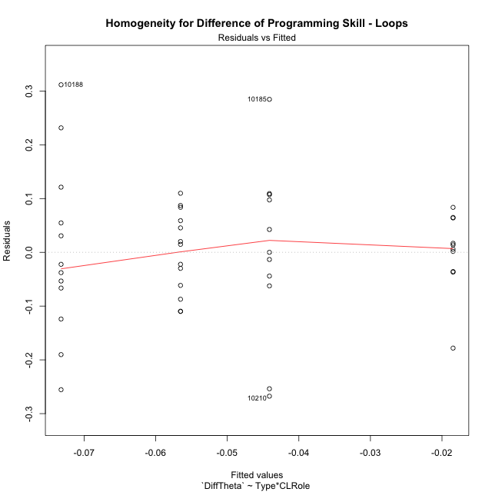

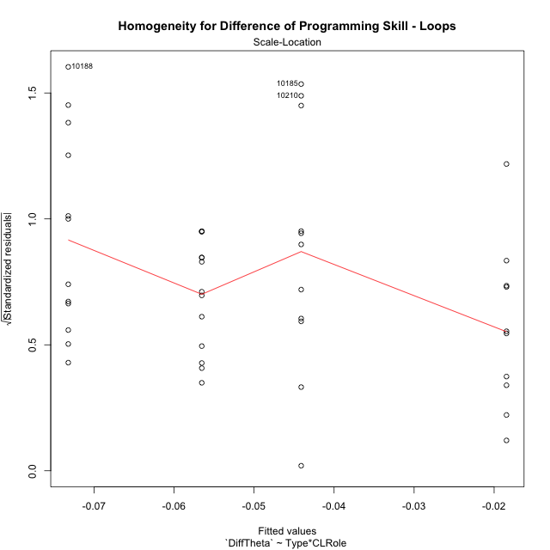

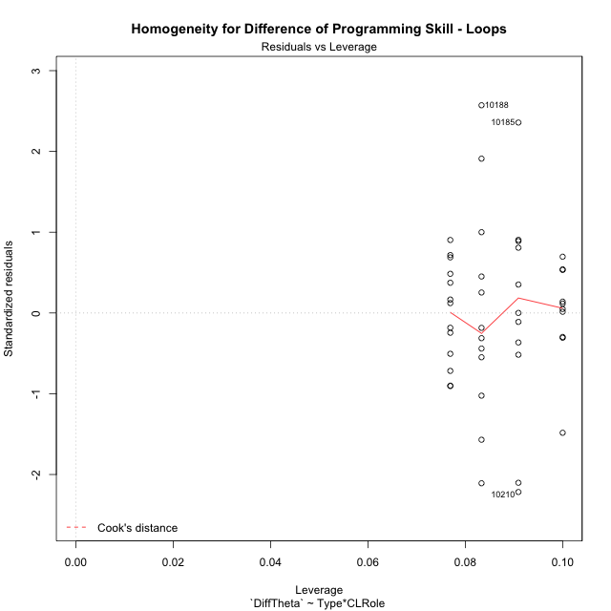

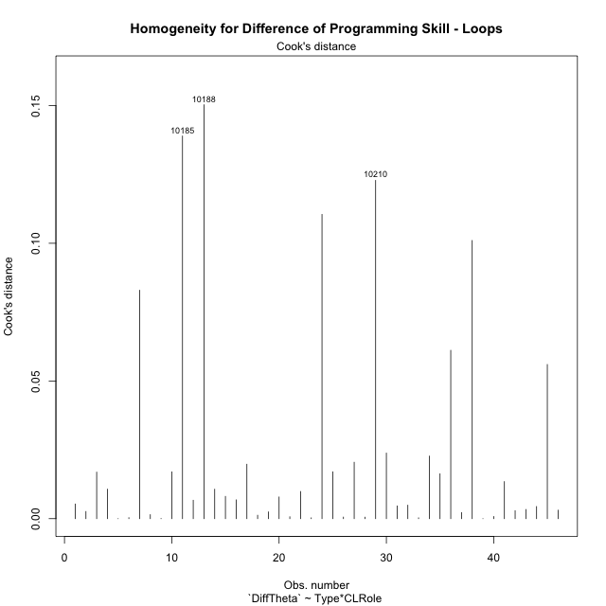

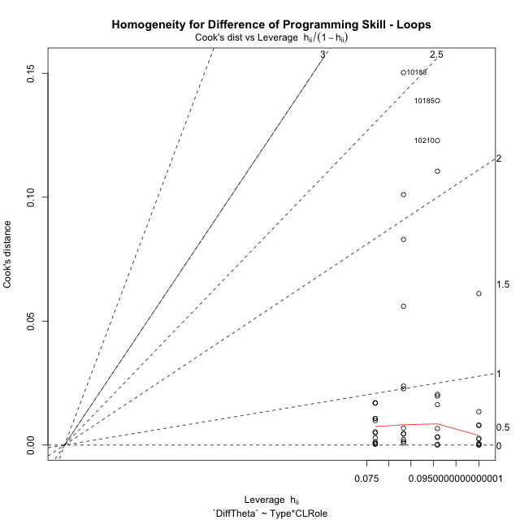

Minimum Sample Size Test for Difference of Programming Skill - Loops
Type | CLRole | Freq
non-gamified | Apprentice | 11
ont-gamified | Apprentice | 10
non-gamified | Master | 12
ont-gamified | Master | 13

Errors and Warnings in Sample Size Test for ANOVA in Difference of Programming Skill - Loops
code | description
WARN: sample.size | current.size is = 11 and recommended.size must be = 15 for the group: 'non-gamified:Apprentice'. Size sample for parametric test isn't recomended
WARN: sample.size | current.size is = 10 and recommended.size must be = 15 for the group: 'ont-gamified:Apprentice'. Size sample for parametric test isn't recomended
WARN: sample.size | current.size is = 12 and recommended.size must be = 15 for the group: 'non-gamified:Master'. Size sample for parametric test isn't recomended
WARN: sample.size | current.size is = 13 and recommended.size must be = 15 for the group: 'ont-gamified:Master'. Size sample for parametric test isn't recomended

For the group: 'non-gamified:Apprentice', we recommend the use of non parametric test. For the group: 'ont-gamified:Apprentice', we recommend the use of non parametric test. For the group: 'non-gamified:Master', we recommend the use of non parametric test. For the group: 'ont-gamified:Master', we recommend the use of non parametric test.

If you don't want to remove non-normal data, you must cite the following references: ... (1) Lix, L.M., J.C. Keselman, and H.J. Keselman. 1996. Consequences of assumption violations revisited: A quantitative review of alternatives to the one-way analysis of variance F test. Rev. Educ. Res. 66: 579-619. ... (2) Harwell, M.R., E.N. Rubinstein, W.S. Hayes, and C.C. Olds. 1992. Summarizing Monte Carlo results in methodological research: the one- and two-factor fixed effects ANOVA cases. J. Educ. Stat. 17: 315-339.

Post-hoc
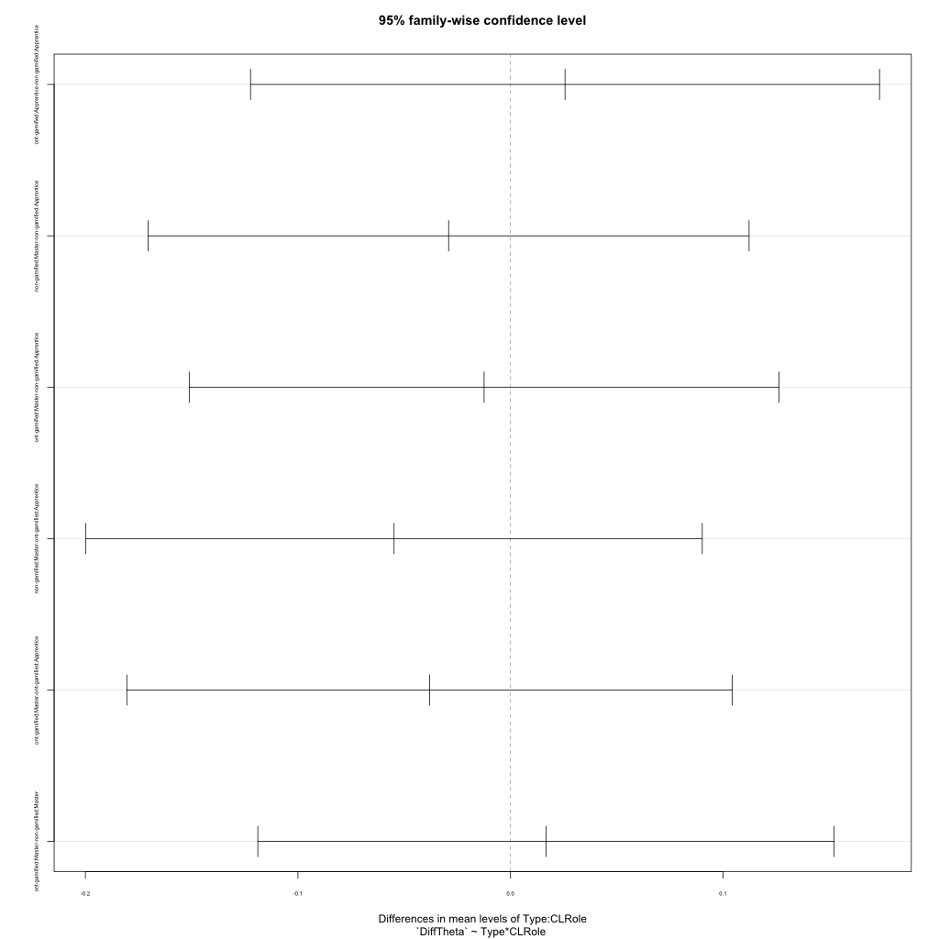
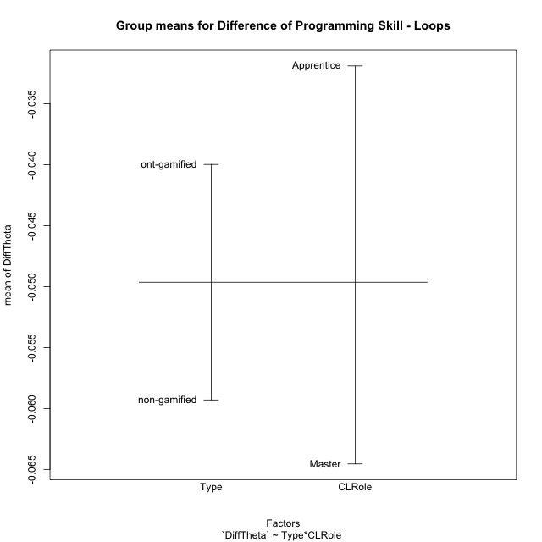
Post-hoc Tukey Honestly Significant Difference (HSD) Test for Difference of Programming Skill - Loops

Comparisons of means for Type
 | diff | lwr | upr | p adj
ont-gamified-non-gamified | 0.019323250677 | -0.056014768357 | 0.094661269712 | 0.60744442786

Comparisons of means for CLRole
 | diff | lwr | upr | p adj
Master-Apprentice | -0.033496510031 | -0.10912098645 | 0.042127966382 | 0.37648347023

Comparisons of means for Type:CLRole
 | diff | lwr | upr | p adj
ont-gamified:Apprentice-non-gamified:Apprentice | 0.025659123849 | -0.12230434994 | 0.17362259764 | 0.96650057431
non-gamified:Master-non-gamified:Apprentice | -0.029109456563 | -0.1704667322 | 0.11224781907 | 0.94580615123
ont-gamified:Master-non-gamified:Apprentice | -0.012420765512 | -0.15115345837 | 0.12631192734 | 0.99509293827
non-gamified:Master-ont-gamified:Apprentice | -0.054768580412 | -0.19976655354 | 0.090229392718 | 0.74427215404
ont-gamified:Master-ont-gamified:Apprentice | -0.038079889361 | -0.18052037835 | 0.10436059963 | 0.89053704316
ont-gamified:Master-non-gamified:Master | 0.016688691051 | -0.11887672748 | 0.15225410959 | 0.98750032051

Contrast Matrices for Difference of Programming Skill - Loops - Type
contrast | estimate | SE | df | t.ratio | p.value
non-gamified - ont-gamified | -0.02117390745 | 0.037510279317 | 42 | -0.56448279873 | 0.57542809896

Contrast Matrices for Difference of Programming Skill - Loops - Type:CLRole
contrast | CLRole | estimate | SE | df | t.ratio | p.value
non-gamified - ont-gamified | Apprentice | -0.025659123849 | 0.055314332586 | 42 | -0.4638783955 | 0.64513020569
non-gamified - ont-gamified | Master | -0.016688691051 | 0.050679471467 | 42 | -0.32929883773 | 0.74356641512

Least Squares Means and Confidence Intervals for Type
Type | lsmean | SE | df | lower.CL | upper.CL | Pairs
non-gamified | -0.058667885788 | 0.026422343156 | 42 | -0.11199033306 | -0.00534543852 | non-gamified
ont-gamified | -0.037493978338 | 0.026624816179 | 42 | -0.091225032711 | 0.016237076034 | ont-gamified

Least Squares Means and Confidence Intervals for Type:CLRole
Type | CLRole | lsmean | SE | df | lower.CL | upper.CL | Pairs
non-gamified | Apprentice | -0.044113157507 | 0.038170515856 | 42 | -0.12114437714 | 0.032918062129 | non-gamified.Apprentice
ont-gamified | Apprentice | -0.018454033658 | 0.040033574769 | 42 | -0.099245058398 | 0.062336991081 | ont-gamified.Apprentice
non-gamified | Master | -0.07322261407 | 0.036545486597 | 42 | -0.14697439189 | 0.00052916375333 | non-gamified.Master
ont-gamified | Master | -0.056533923019 | 0.035111767793 | 42 | -0.12739233915 | 0.014324493117 | ont-gamified.Master

Plots

Type_1
Student's t-Test for Difference of Programming Skill - Loops in Type between non-gamified:ont-gamified

Student's t-Test results
Alternative hypothesis: less
Group | N | Mean | Mean.Difference | Std.deviation | Std.error | CI.lower | CI.upper | df | t.value | p.value | g | magnitude
non-gamified | 23 | -0.059300700061 | -0.019323250677 | 0.15927387784 | 0.033210899313 | -0.12572249869 | 0.0071210985654 | 31.593031347 | -0.52472765437 | 0.30171771262 | -0.15208116515 | negligible
ont-gamified | 23 | -0.039977449384 | 0.019323250677 | 0.076303250019 | 0.015910327468 | -0.07179810432 | -0.008156794447 | 31.593031347 | -0.52472765437 | 0.30171771262 | -0.15208116515 | negligible
Alternative hypothesis: greater
Group | N | Mean | Mean.Difference | Std.deviation | Std.error | CI.lower | CI.upper | df | t.value | p.value | g | magnitude
non-gamified | 23 | -0.059300700061 | -0.019323250677 | 0.15927387784 | 0.033210899313 | -0.12572249869 | 0.0071210985654 | 31.593031347 | -0.52472765437 | 0.69828228738 | -0.15208116515 | negligible
ont-gamified | 23 | -0.039977449384 | 0.019323250677 | 0.076303250019 | 0.015910327468 | -0.07179810432 | -0.008156794447 | 31.593031347 | -0.52472765437 | 0.69828228738 | -0.15208116515 | negligible
Alternative hypothesis: two.sided
Group | N | Mean | Mean.Difference | Std.deviation | Std.error | CI.lower | CI.upper | df | t.value | p.value | g | magnitude
non-gamified | 23 | -0.059300700061 | -0.019323250677 | 0.15927387784 | 0.033210899313 | -0.12572249869 | 0.0071210985654 | 31.593031347 | -0.52472765437 | 0.60343542524 | -0.15208116515 | negligible
ont-gamified | 23 | -0.039977449384 | 0.019323250677 | 0.076303250019 | 0.015910327468 | -0.07179810432 | -0.008156794447 | 31.593031347 | -0.52472765437 | 0.60343542524 | -0.15208116515 | negligible

Box plots for Student's t-Test
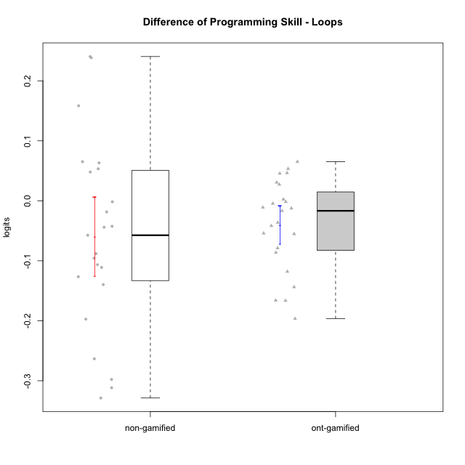

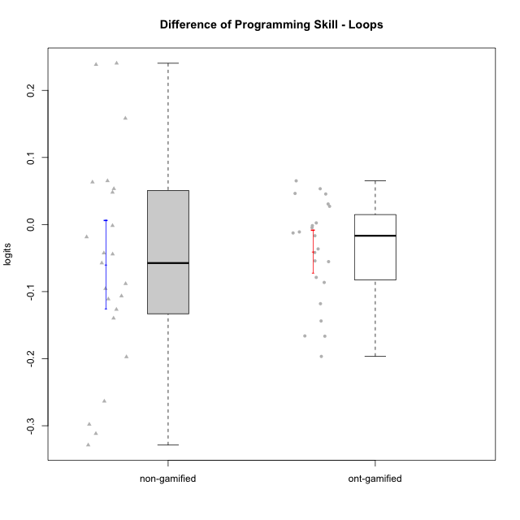

Student's t-Test data
UserID | NroUSP | Type | CLGroup | CLRole | PlayerRole | PreTheta | PostTheta | DiffTheta
10169 | 10377538 | ont-gamified | Grupo Hefesto | Master | Yee Achiever | -0.032480194741 | -0.15050317 | -0.11802297526
10170 | 10260351 | ont-gamified | Grupo Afrodite | Apprentice | Yee Achiever | -0.036035107244 | -0.091328484977 | -0.055293377733
10174 | 10276852 | ont-gamified | Grupo Urano | Master | Yee Achiever | -0.047926858141 | -0.21401218001 | -0.16608532187
10175 | 10310700 | ont-gamified | Grupo Hélio | Master | Yee Socializer | 0.18198609406 | 0.038228297756 | -0.14375779631
10176 | 10276949 | ont-gamified | Grupo Cronus | Apprentice | Yee Achiever | -0.026931876924 | -0.043644153268 | -0.016712276344
10178 | 8656201 | ont-gamified | Grupo Morfeu | Apprentice | Yee Socializer | -0.086719058651 | -0.091328484977 | -0.0046094263257
10179 | 10310759 | non-gamified | Grupo Team 9 | Master |  | 0.18198609406 | 0.34031510244 | 0.15832900838
10181 | 10276866 | non-gamified | Grupo Team 10 | Master |  | -0.0011256740753 | -0.043644153268 | -0.042518479193
10183 | 10352030 | ont-gamified | Grupo Hélio | Apprentice | Yee Socializer | -0.041984987869 | -0.054555662071 | -0.012570674203
10184 | 10276675 | ont-gamified | Grupo Apolo | Master | Yee Socializer | -0.015127497158 | 0.038228297756 | 0.053355794914
10185 | 10276960 | non-gamified | Grupo Team 12 | Apprentice |  | -0.047172312495 | 0.19328931348 | 0.24046162597
10187 | 9790781 | non-gamified | Grupo Team 15 | Apprentice |  | 0.015234590786 | -0.091328484977 | -0.10656307576
10188 | 10276995 | non-gamified | Grupo Team 3 | Master |  | 0.10183959472 | 0.34031510244 | 0.23847550772
10189 | 9363926 | ont-gamified | Grupo Hades | Master | Yee Socializer | -0.015127497158 | 0.015512707434 | 0.030640204592
10190 | 10276907 | ont-gamified | Grupo Zeus | Apprentice | Yee Socializer | -0.0081582985864 | 0.038228297756 | 0.046386596342
10191 | 10276981 | non-gamified | Grupo Team 6 | Master |  | 0.13689830817 | -0.0027748587668 | -0.13967316693
10192 | 10276682 | non-gamified | Grupo Team 5 | Apprentice |  | -0.025005344556 | 0.038228297756 | 0.063233642312
10193 | 10276762 | ont-gamified | Grupo Afrodite | Master | Yee Achiever | 0.10183959472 | 0.015512707434 | -0.086326887283
10195 | 10351971 | ont-gamified | Grupo Urano | Apprentice | Yee Achiever | -0.028730019215 | -0.082892906508 | -0.054162887292
10197 | 10276661 | ont-gamified | Grupo Gaia | Apprentice | Yee Achiever | -0.0073006767313 | 0.038228297756 | 0.045528974487
10199 | 10276737 | ont-gamified | Grupo Gaia | Master | Yee Achiever | -0.02062078496 | -0.099412649919 | -0.078791864959
10201 | 10276928 | ont-gamified | Grupo Caronte | Master | Yee Achiever | -0.011657680283 | 0.015512707434 | 0.027170387717
10202 | 10277036 | non-gamified | Grupo Team 11 | Apprentice |  | -0.041984987869 | -0.099412649919 | -0.05742766205
10203 | 9921470 | non-gamified | Grupo Team 3 | Apprentice |  | -0.058799424013 | -0.35667000203 | -0.29787057802
10204 | 10310471 | ont-gamified | Grupo Hermes | Master | Yee Achiever | 0.18198609406 | 0.015512707434 | -0.16647338663
10206 | 10310721 | ont-gamified | Grupo Hera | Master | Yee Achiever | -0.0073006767313 | -0.043644153268 | -0.036343476537
10208 | 10276932 | non-gamified | Grupo Team 7 | Apprentice |  | -0.026931876924 | 0.038228297756 | 0.06516017468
10209 | 10262669 | ont-gamified | Grupo Artemis | Apprentice | Yee Achiever | -0.0011256740753 | -0.0027748587668 | -0.0016491846915
10210 | 10277015 | non-gamified | Grupo Team 9 | Apprentice |  | 0.19689971073 | -0.11477610381 | -0.31167581454
10212 | 9065750 | non-gamified | Grupo Team 4 | Master |  | 0.060813732068 | -0.1365002933 | -0.19731402537
10214 | 10277022 | non-gamified | Grupo Team 5 | Master |  | -0.036035107244 | -0.054555662071 | -0.018520554827
10215 | 9285227 | ont-gamified | Grupo Zeus | Master | Yee Socializer | -0.02062078496 | -0.018200698968 | 0.0024200859914
10218 | 9842913 | ont-gamified | Grupo Ares | Master | Yee Achiever | -0.022915570247 | -0.064618182401 | -0.041702612154
10219 | 10276831 | non-gamified | Grupo Team 12 | Master |  | -0.032480194741 | 0.015512707434 | 0.047992902175
10220 | 9760151 | non-gamified | Grupo Team 2 | Apprentice |  | -0.015127497158 | 0.038228297756 | 0.053355794914
10221 | 9082496 | ont-gamified | Grupo Hermes | Apprentice | Yee Achiever | -0.047926858141 | -0.24454511364 | -0.1966182555
10222 | 9436110 | non-gamified | Grupo Team 16 | Master |  | -0.032480194741 | -0.14353089466 | -0.11105069992
10226 | 10310342 | non-gamified | Grupo Team 8 | Master |  | 0.25472950571 | -0.074025305707 | -0.32875481142
10227 | 9274382 | non-gamified | Grupo Team 4 | Apprentice |  | -0.092434777871 | -0.1365002933 | -0.044065515426
10230 | 10351992 | non-gamified | Grupo Team 14 | Master |  | -0.011657680283 | -0.10721060596 | -0.095552925681
10231 | 10276911 | ont-gamified | Grupo Caronte | Apprentice | Yee Achiever | -0.026931876924 | 0.038228297756 | 0.06516017468
10232 | 10276974 | ont-gamified | Grupo Artemis | Master | Yee Achiever | -0.02062078496 | -0.031643936414 | -0.011023151454
10233 | 9805320 | non-gamified | Grupo Team 16 | Apprentice |  | -0.033950159683 | -0.12215429965 | -0.088204139964
10234 | 10310676 | non-gamified | Grupo Team 7 | Master |  | -0.0098751669531 | -0.1365002933 | -0.12662512634
10237 | 10377688 | non-gamified | Grupo Team 11 | Master |  | 0.21981484416 | -0.043644153268 | -0.26345899743
10238 | 10276953 | non-gamified | Grupo Team 13 | Apprentice |  | -0.0011256740753 | -0.0027748587668 | -0.0016491846915

Type_CLRole_1
Student's t-Test for Difference of Programming Skill - Loops in Type:CLRole between non-gamified.Apprentice:non-gamified.Master

Student's t-Test results
Alternative hypothesis: less
Group | N | Mean | Mean.Difference | Std.deviation | Std.error | CI.lower | CI.upper | df | t.value | p.value | g | magnitude
non-gamified.Apprentice | 11 | -0.044113157507 | 0.029109456563 | 0.16054721388 | 0.048406806326 | -0.14092677016 | 0.052700455145 | 20.895982472 | 0.43005073569 | 0.66421936671 | 0.17286226248 | negligible
non-gamified.Master | 12 | -0.07322261407 | -0.029109456563 | 0.16389644972 | 0.047312829682 | -0.16784827343 | 0.021403045294 | 20.895982472 | 0.43005073569 | 0.66421936671 | 0.17286226248 | negligible
Alternative hypothesis: greater
Group | N | Mean | Mean.Difference | Std.deviation | Std.error | CI.lower | CI.upper | df | t.value | p.value | g | magnitude
non-gamified.Apprentice | 11 | -0.044113157507 | 0.029109456563 | 0.16054721388 | 0.048406806326 | -0.14092677016 | 0.052700455145 | 20.895982472 | 0.43005073569 | 0.33578063329 | 0.17286226248 | negligible
non-gamified.Master | 12 | -0.07322261407 | -0.029109456563 | 0.16389644972 | 0.047312829682 | -0.16784827343 | 0.021403045294 | 20.895982472 | 0.43005073569 | 0.33578063329 | 0.17286226248 | negligible
Alternative hypothesis: two.sided
Group | N | Mean | Mean.Difference | Std.deviation | Std.error | CI.lower | CI.upper | df | t.value | p.value | g | magnitude
non-gamified.Apprentice | 11 | -0.044113157507 | 0.029109456563 | 0.16054721388 | 0.048406806326 | -0.14092677016 | 0.052700455145 | 20.895982472 | 0.43005073569 | 0.67156126658 | 0.17286226248 | negligible
non-gamified.Master | 12 | -0.07322261407 | -0.029109456563 | 0.16389644972 | 0.047312829682 | -0.16784827343 | 0.021403045294 | 20.895982472 | 0.43005073569 | 0.67156126658 | 0.17286226248 | negligible

Box plots for Student's t-Test
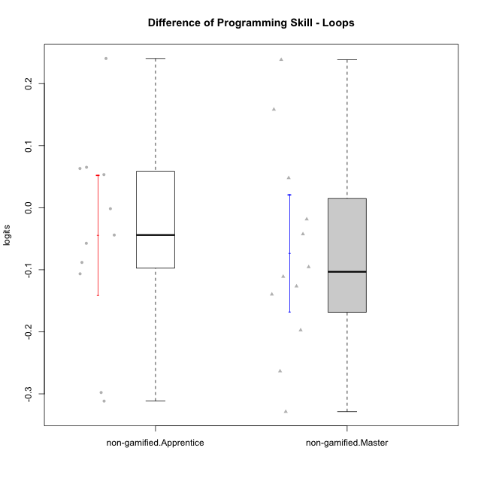

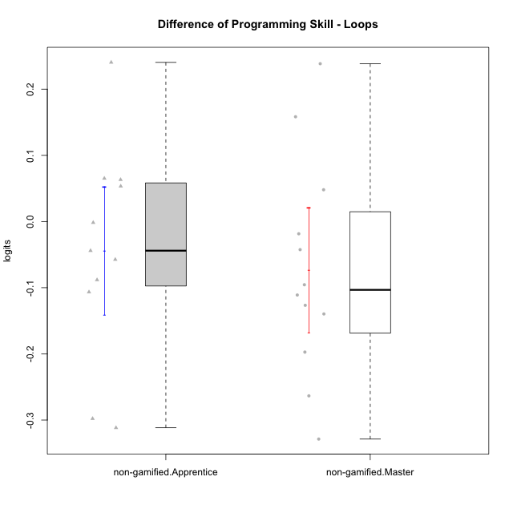

Student's t-Test data
UserID | NroUSP | Type | CLGroup | CLRole | PlayerRole | PreTheta | PostTheta | DiffTheta
10179 | 10310759 | non-gamified | Grupo Team 9 | Master |  | 0.18198609406 | 0.34031510244 | 0.15832900838
10181 | 10276866 | non-gamified | Grupo Team 10 | Master |  | -0.0011256740753 | -0.043644153268 | -0.042518479193
10185 | 10276960 | non-gamified | Grupo Team 12 | Apprentice |  | -0.047172312495 | 0.19328931348 | 0.24046162597
10187 | 9790781 | non-gamified | Grupo Team 15 | Apprentice |  | 0.015234590786 | -0.091328484977 | -0.10656307576
10188 | 10276995 | non-gamified | Grupo Team 3 | Master |  | 0.10183959472 | 0.34031510244 | 0.23847550772
10191 | 10276981 | non-gamified | Grupo Team 6 | Master |  | 0.13689830817 | -0.0027748587668 | -0.13967316693
10192 | 10276682 | non-gamified | Grupo Team 5 | Apprentice |  | -0.025005344556 | 0.038228297756 | 0.063233642312
10202 | 10277036 | non-gamified | Grupo Team 11 | Apprentice |  | -0.041984987869 | -0.099412649919 | -0.05742766205
10203 | 9921470 | non-gamified | Grupo Team 3 | Apprentice |  | -0.058799424013 | -0.35667000203 | -0.29787057802
10208 | 10276932 | non-gamified | Grupo Team 7 | Apprentice |  | -0.026931876924 | 0.038228297756 | 0.06516017468
10210 | 10277015 | non-gamified | Grupo Team 9 | Apprentice |  | 0.19689971073 | -0.11477610381 | -0.31167581454
10212 | 9065750 | non-gamified | Grupo Team 4 | Master |  | 0.060813732068 | -0.1365002933 | -0.19731402537
10214 | 10277022 | non-gamified | Grupo Team 5 | Master |  | -0.036035107244 | -0.054555662071 | -0.018520554827
10219 | 10276831 | non-gamified | Grupo Team 12 | Master |  | -0.032480194741 | 0.015512707434 | 0.047992902175
10220 | 9760151 | non-gamified | Grupo Team 2 | Apprentice |  | -0.015127497158 | 0.038228297756 | 0.053355794914
10222 | 9436110 | non-gamified | Grupo Team 16 | Master |  | -0.032480194741 | -0.14353089466 | -0.11105069992
10226 | 10310342 | non-gamified | Grupo Team 8 | Master |  | 0.25472950571 | -0.074025305707 | -0.32875481142
10227 | 9274382 | non-gamified | Grupo Team 4 | Apprentice |  | -0.092434777871 | -0.1365002933 | -0.044065515426
10230 | 10351992 | non-gamified | Grupo Team 14 | Master |  | -0.011657680283 | -0.10721060596 | -0.095552925681
10233 | 9805320 | non-gamified | Grupo Team 16 | Apprentice |  | -0.033950159683 | -0.12215429965 | -0.088204139964
10234 | 10310676 | non-gamified | Grupo Team 7 | Master |  | -0.0098751669531 | -0.1365002933 | -0.12662512634
10237 | 10377688 | non-gamified | Grupo Team 11 | Master |  | 0.21981484416 | -0.043644153268 | -0.26345899743
10238 | 10276953 | non-gamified | Grupo Team 13 | Apprentice |  | -0.0011256740753 | -0.0027748587668 | -0.0016491846915

Type_CLRole_2
Student's t-Test for Difference of Programming Skill - Loops in Type:CLRole between non-gamified.Apprentice:ont-gamified.Apprentice

Student's t-Test results
Alternative hypothesis: less
Group | N | Mean | Mean.Difference | Std.deviation | Std.error | CI.lower | CI.upper | df | t.value | p.value | g | magnitude
non-gamified.Apprentice | 11 | -0.044113157507 | -0.025659123849 | 0.16054721388 | 0.048406806326 | -0.14092677016 | 0.052700455145 | 14.417735419 | -0.47641806129 | 0.32045803135 | -0.19349236862 | negligible
ont-gamified.Apprentice | 10 | -0.018454033658 | 0.025659123849 | 0.074666623251 | 0.023611659467 | -0.065677352591 | 0.028769285275 | 14.417735419 | -0.47641806129 | 0.32045803135 | -0.19349236862 | negligible
Alternative hypothesis: greater
Group | N | Mean | Mean.Difference | Std.deviation | Std.error | CI.lower | CI.upper | df | t.value | p.value | g | magnitude
non-gamified.Apprentice | 11 | -0.044113157507 | -0.025659123849 | 0.16054721388 | 0.048406806326 | -0.14092677016 | 0.052700455145 | 14.417735419 | -0.47641806129 | 0.67954196865 | -0.19349236862 | negligible
ont-gamified.Apprentice | 10 | -0.018454033658 | 0.025659123849 | 0.074666623251 | 0.023611659467 | -0.065677352591 | 0.028769285275 | 14.417735419 | -0.47641806129 | 0.67954196865 | -0.19349236862 | negligible
Alternative hypothesis: two.sided
Group | N | Mean | Mean.Difference | Std.deviation | Std.error | CI.lower | CI.upper | df | t.value | p.value | g | magnitude
non-gamified.Apprentice | 11 | -0.044113157507 | -0.025659123849 | 0.16054721388 | 0.048406806326 | -0.14092677016 | 0.052700455145 | 14.417735419 | -0.47641806129 | 0.6409160627 | -0.19349236862 | negligible
ont-gamified.Apprentice | 10 | -0.018454033658 | 0.025659123849 | 0.074666623251 | 0.023611659467 | -0.065677352591 | 0.028769285275 | 14.417735419 | -0.47641806129 | 0.6409160627 | -0.19349236862 | negligible

Box plots for Student's t-Test
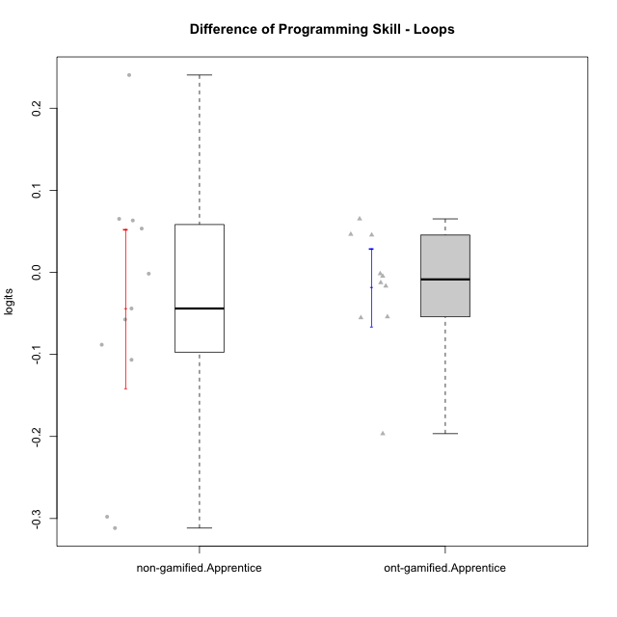

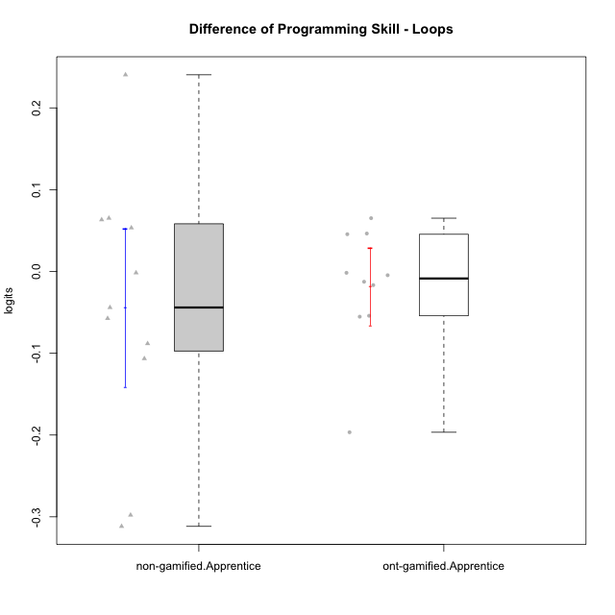

Student's t-Test data
UserID | NroUSP | Type | CLGroup | CLRole | PlayerRole | PreTheta | PostTheta | DiffTheta
10170 | 10260351 | ont-gamified | Grupo Afrodite | Apprentice | Yee Achiever | -0.036035107244 | -0.091328484977 | -0.055293377733
10176 | 10276949 | ont-gamified | Grupo Cronus | Apprentice | Yee Achiever | -0.026931876924 | -0.043644153268 | -0.016712276344
10178 | 8656201 | ont-gamified | Grupo Morfeu | Apprentice | Yee Socializer | -0.086719058651 | -0.091328484977 | -0.0046094263257
10183 | 10352030 | ont-gamified | Grupo Hélio | Apprentice | Yee Socializer | -0.041984987869 | -0.054555662071 | -0.012570674203
10185 | 10276960 | non-gamified | Grupo Team 12 | Apprentice |  | -0.047172312495 | 0.19328931348 | 0.24046162597
10187 | 9790781 | non-gamified | Grupo Team 15 | Apprentice |  | 0.015234590786 | -0.091328484977 | -0.10656307576
10190 | 10276907 | ont-gamified | Grupo Zeus | Apprentice | Yee Socializer | -0.0081582985864 | 0.038228297756 | 0.046386596342
10192 | 10276682 | non-gamified | Grupo Team 5 | Apprentice |  | -0.025005344556 | 0.038228297756 | 0.063233642312
10195 | 10351971 | ont-gamified | Grupo Urano | Apprentice | Yee Achiever | -0.028730019215 | -0.082892906508 | -0.054162887292
10197 | 10276661 | ont-gamified | Grupo Gaia | Apprentice | Yee Achiever | -0.0073006767313 | 0.038228297756 | 0.045528974487
10202 | 10277036 | non-gamified | Grupo Team 11 | Apprentice |  | -0.041984987869 | -0.099412649919 | -0.05742766205
10203 | 9921470 | non-gamified | Grupo Team 3 | Apprentice |  | -0.058799424013 | -0.35667000203 | -0.29787057802
10208 | 10276932 | non-gamified | Grupo Team 7 | Apprentice |  | -0.026931876924 | 0.038228297756 | 0.06516017468
10209 | 10262669 | ont-gamified | Grupo Artemis | Apprentice | Yee Achiever | -0.0011256740753 | -0.0027748587668 | -0.0016491846915
10210 | 10277015 | non-gamified | Grupo Team 9 | Apprentice |  | 0.19689971073 | -0.11477610381 | -0.31167581454
10220 | 9760151 | non-gamified | Grupo Team 2 | Apprentice |  | -0.015127497158 | 0.038228297756 | 0.053355794914
10221 | 9082496 | ont-gamified | Grupo Hermes | Apprentice | Yee Achiever | -0.047926858141 | -0.24454511364 | -0.1966182555
10227 | 9274382 | non-gamified | Grupo Team 4 | Apprentice |  | -0.092434777871 | -0.1365002933 | -0.044065515426
10231 | 10276911 | ont-gamified | Grupo Caronte | Apprentice | Yee Achiever | -0.026931876924 | 0.038228297756 | 0.06516017468
10233 | 9805320 | non-gamified | Grupo Team 16 | Apprentice |  | -0.033950159683 | -0.12215429965 | -0.088204139964
10238 | 10276953 | non-gamified | Grupo Team 13 | Apprentice |  | -0.0011256740753 | -0.0027748587668 | -0.0016491846915

Type_CLRole_3
Student's t-Test for Difference of Programming Skill - Loops in Type:CLRole between non-gamified.Apprentice:ont-gamified.Master

Student's t-Test results
Alternative hypothesis: less
Group | N | Mean | Mean.Difference | Std.deviation | Std.error | CI.lower | CI.upper | df | t.value | p.value | g | magnitude
non-gamified.Apprentice | 11 | -0.044113157507 | 0.012420765512 | 0.16054721388 | 0.048406806326 | -0.14092677016 | 0.052700455145 | 13.761013042 | 0.23514577442 | 0.59122064334 | 0.098295556789 | negligible
ont-gamified.Master | 13 | -0.056533923019 | -0.012420765512 | 0.076221200382 | 0.021139957404 | -0.098813837827 | -0.01425400821 | 13.761013042 | 0.23514577442 | 0.59122064334 | 0.098295556789 | negligible
Alternative hypothesis: greater
Group | N | Mean | Mean.Difference | Std.deviation | Std.error | CI.lower | CI.upper | df | t.value | p.value | g | magnitude
non-gamified.Apprentice | 11 | -0.044113157507 | 0.012420765512 | 0.16054721388 | 0.048406806326 | -0.14092677016 | 0.052700455145 | 13.761013042 | 0.23514577442 | 0.40877935666 | 0.098295556789 | negligible
ont-gamified.Master | 13 | -0.056533923019 | -0.012420765512 | 0.076221200382 | 0.021139957404 | -0.098813837827 | -0.01425400821 | 13.761013042 | 0.23514577442 | 0.40877935666 | 0.098295556789 | negligible
Alternative hypothesis: two.sided
Group | N | Mean | Mean.Difference | Std.deviation | Std.error | CI.lower | CI.upper | df | t.value | p.value | g | magnitude
non-gamified.Apprentice | 11 | -0.044113157507 | 0.012420765512 | 0.16054721388 | 0.048406806326 | -0.14092677016 | 0.052700455145 | 13.761013042 | 0.23514577442 | 0.81755871332 | 0.098295556789 | negligible
ont-gamified.Master | 13 | -0.056533923019 | -0.012420765512 | 0.076221200382 | 0.021139957404 | -0.098813837827 | -0.01425400821 | 13.761013042 | 0.23514577442 | 0.81755871332 | 0.098295556789 | negligible

Box plots for Student's t-Test


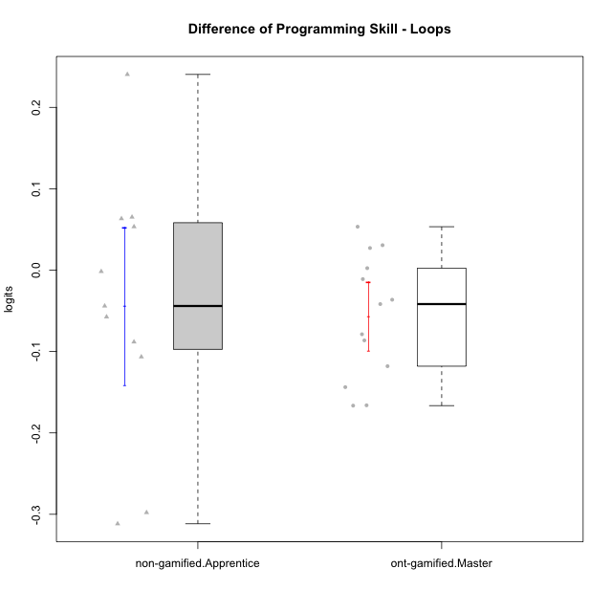

Student's t-Test data
UserID | NroUSP | Type | CLGroup | CLRole | PlayerRole | PreTheta | PostTheta | DiffTheta
10169 | 10377538 | ont-gamified | Grupo Hefesto | Master | Yee Achiever | -0.032480194741 | -0.15050317 | -0.11802297526
10174 | 10276852 | ont-gamified | Grupo Urano | Master | Yee Achiever | -0.047926858141 | -0.21401218001 | -0.16608532187
10175 | 10310700 | ont-gamified | Grupo Hélio | Master | Yee Socializer | 0.18198609406 | 0.038228297756 | -0.14375779631
10184 | 10276675 | ont-gamified | Grupo Apolo | Master | Yee Socializer | -0.015127497158 | 0.038228297756 | 0.053355794914
10185 | 10276960 | non-gamified | Grupo Team 12 | Apprentice |  | -0.047172312495 | 0.19328931348 | 0.24046162597
10187 | 9790781 | non-gamified | Grupo Team 15 | Apprentice |  | 0.015234590786 | -0.091328484977 | -0.10656307576
10189 | 9363926 | ont-gamified | Grupo Hades | Master | Yee Socializer | -0.015127497158 | 0.015512707434 | 0.030640204592
10192 | 10276682 | non-gamified | Grupo Team 5 | Apprentice |  | -0.025005344556 | 0.038228297756 | 0.063233642312
10193 | 10276762 | ont-gamified | Grupo Afrodite | Master | Yee Achiever | 0.10183959472 | 0.015512707434 | -0.086326887283
10199 | 10276737 | ont-gamified | Grupo Gaia | Master | Yee Achiever | -0.02062078496 | -0.099412649919 | -0.078791864959
10201 | 10276928 | ont-gamified | Grupo Caronte | Master | Yee Achiever | -0.011657680283 | 0.015512707434 | 0.027170387717
10202 | 10277036 | non-gamified | Grupo Team 11 | Apprentice |  | -0.041984987869 | -0.099412649919 | -0.05742766205
10203 | 9921470 | non-gamified | Grupo Team 3 | Apprentice |  | -0.058799424013 | -0.35667000203 | -0.29787057802
10204 | 10310471 | ont-gamified | Grupo Hermes | Master | Yee Achiever | 0.18198609406 | 0.015512707434 | -0.16647338663
10206 | 10310721 | ont-gamified | Grupo Hera | Master | Yee Achiever | -0.0073006767313 | -0.043644153268 | -0.036343476537
10208 | 10276932 | non-gamified | Grupo Team 7 | Apprentice |  | -0.026931876924 | 0.038228297756 | 0.06516017468
10210 | 10277015 | non-gamified | Grupo Team 9 | Apprentice |  | 0.19689971073 | -0.11477610381 | -0.31167581454
10215 | 9285227 | ont-gamified | Grupo Zeus | Master | Yee Socializer | -0.02062078496 | -0.018200698968 | 0.0024200859914
10218 | 9842913 | ont-gamified | Grupo Ares | Master | Yee Achiever | -0.022915570247 | -0.064618182401 | -0.041702612154
10220 | 9760151 | non-gamified | Grupo Team 2 | Apprentice |  | -0.015127497158 | 0.038228297756 | 0.053355794914
10227 | 9274382 | non-gamified | Grupo Team 4 | Apprentice |  | -0.092434777871 | -0.1365002933 | -0.044065515426
10232 | 10276974 | ont-gamified | Grupo Artemis | Master | Yee Achiever | -0.02062078496 | -0.031643936414 | -0.011023151454
10233 | 9805320 | non-gamified | Grupo Team 16 | Apprentice |  | -0.033950159683 | -0.12215429965 | -0.088204139964
10238 | 10276953 | non-gamified | Grupo Team 13 | Apprentice |  | -0.0011256740753 | -0.0027748587668 | -0.0016491846915

Type_CLRole_4
Student's t-Test for Difference of Programming Skill - Loops in Type:CLRole between non-gamified.Master:ont-gamified.Apprentice

Student's t-Test results
Alternative hypothesis: less
Group | N | Mean | Mean.Difference | Std.deviation | Std.error | CI.lower | CI.upper | df | t.value | p.value | g | magnitude
non-gamified.Master | 12 | -0.07322261407 | -0.054768580412 | 0.16389644972 | 0.047312829682 | -0.16784827343 | 0.021403045294 | 15.952149403 | -1.0357663295 | 0.1578791529 | -0.40078309423 | small
ont-gamified.Apprentice | 10 | -0.018454033658 | 0.054768580412 | 0.074666623251 | 0.023611659467 | -0.065677352591 | 0.028769285275 | 15.952149403 | -1.0357663295 | 0.1578791529 | -0.40078309423 | small
Alternative hypothesis: greater
Group | N | Mean | Mean.Difference | Std.deviation | Std.error | CI.lower | CI.upper | df | t.value | p.value | g | magnitude
non-gamified.Master | 12 | -0.07322261407 | -0.054768580412 | 0.16389644972 | 0.047312829682 | -0.16784827343 | 0.021403045294 | 15.952149403 | -1.0357663295 | 0.8421208471 | -0.40078309423 | small
ont-gamified.Apprentice | 10 | -0.018454033658 | 0.054768580412 | 0.074666623251 | 0.023611659467 | -0.065677352591 | 0.028769285275 | 15.952149403 | -1.0357663295 | 0.8421208471 | -0.40078309423 | small
Alternative hypothesis: two.sided
Group | N | Mean | Mean.Difference | Std.deviation | Std.error | CI.lower | CI.upper | df | t.value | p.value | g | magnitude
non-gamified.Master | 12 | -0.07322261407 | -0.054768580412 | 0.16389644972 | 0.047312829682 | -0.16784827343 | 0.021403045294 | 15.952149403 | -1.0357663295 | 0.31575830579 | -0.40078309423 | small
ont-gamified.Apprentice | 10 | -0.018454033658 | 0.054768580412 | 0.074666623251 | 0.023611659467 | -0.065677352591 | 0.028769285275 | 15.952149403 | -1.0357663295 | 0.31575830579 | -0.40078309423 | small

Box plots for Student's t-Test
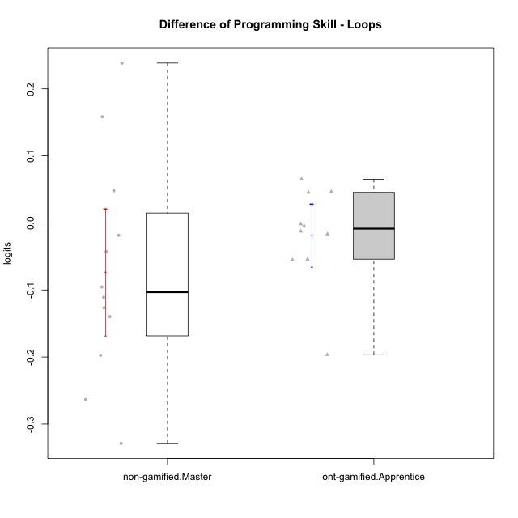

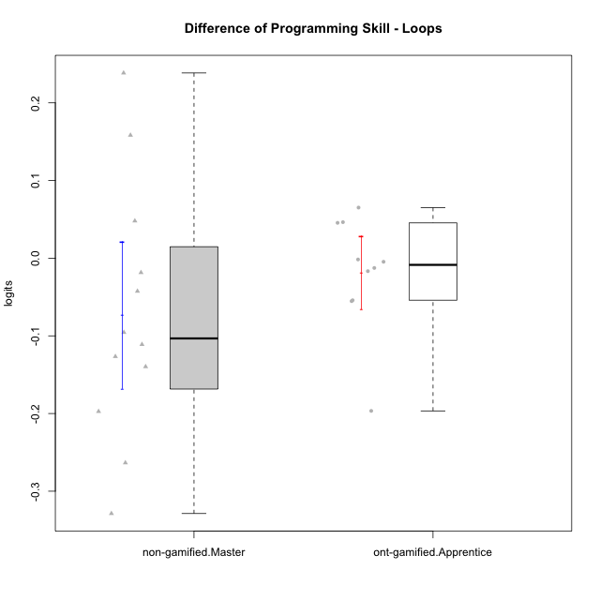

Student's t-Test data
UserID | NroUSP | Type | CLGroup | CLRole | PlayerRole | PreTheta | PostTheta | DiffTheta
10170 | 10260351 | ont-gamified | Grupo Afrodite | Apprentice | Yee Achiever | -0.036035107244 | -0.091328484977 | -0.055293377733
10176 | 10276949 | ont-gamified | Grupo Cronus | Apprentice | Yee Achiever | -0.026931876924 | -0.043644153268 | -0.016712276344
10178 | 8656201 | ont-gamified | Grupo Morfeu | Apprentice | Yee Socializer | -0.086719058651 | -0.091328484977 | -0.0046094263257
10179 | 10310759 | non-gamified | Grupo Team 9 | Master |  | 0.18198609406 | 0.34031510244 | 0.15832900838
10181 | 10276866 | non-gamified | Grupo Team 10 | Master |  | -0.0011256740753 | -0.043644153268 | -0.042518479193
10183 | 10352030 | ont-gamified | Grupo Hélio | Apprentice | Yee Socializer | -0.041984987869 | -0.054555662071 | -0.012570674203
10188 | 10276995 | non-gamified | Grupo Team 3 | Master |  | 0.10183959472 | 0.34031510244 | 0.23847550772
10190 | 10276907 | ont-gamified | Grupo Zeus | Apprentice | Yee Socializer | -0.0081582985864 | 0.038228297756 | 0.046386596342
10191 | 10276981 | non-gamified | Grupo Team 6 | Master |  | 0.13689830817 | -0.0027748587668 | -0.13967316693
10195 | 10351971 | ont-gamified | Grupo Urano | Apprentice | Yee Achiever | -0.028730019215 | -0.082892906508 | -0.054162887292
10197 | 10276661 | ont-gamified | Grupo Gaia | Apprentice | Yee Achiever | -0.0073006767313 | 0.038228297756 | 0.045528974487
10209 | 10262669 | ont-gamified | Grupo Artemis | Apprentice | Yee Achiever | -0.0011256740753 | -0.0027748587668 | -0.0016491846915
10212 | 9065750 | non-gamified | Grupo Team 4 | Master |  | 0.060813732068 | -0.1365002933 | -0.19731402537
10214 | 10277022 | non-gamified | Grupo Team 5 | Master |  | -0.036035107244 | -0.054555662071 | -0.018520554827
10219 | 10276831 | non-gamified | Grupo Team 12 | Master |  | -0.032480194741 | 0.015512707434 | 0.047992902175
10221 | 9082496 | ont-gamified | Grupo Hermes | Apprentice | Yee Achiever | -0.047926858141 | -0.24454511364 | -0.1966182555
10222 | 9436110 | non-gamified | Grupo Team 16 | Master |  | -0.032480194741 | -0.14353089466 | -0.11105069992
10226 | 10310342 | non-gamified | Grupo Team 8 | Master |  | 0.25472950571 | -0.074025305707 | -0.32875481142
10230 | 10351992 | non-gamified | Grupo Team 14 | Master |  | -0.011657680283 | -0.10721060596 | -0.095552925681
10231 | 10276911 | ont-gamified | Grupo Caronte | Apprentice | Yee Achiever | -0.026931876924 | 0.038228297756 | 0.06516017468
10234 | 10310676 | non-gamified | Grupo Team 7 | Master |  | -0.0098751669531 | -0.1365002933 | -0.12662512634
10237 | 10377688 | non-gamified | Grupo Team 11 | Master |  | 0.21981484416 | -0.043644153268 | -0.26345899743

Type_CLRole_5
Student's t-Test for Difference of Programming Skill - Loops in Type:CLRole between non-gamified.Master:ont-gamified.Master

Student's t-Test results
Alternative hypothesis: less
Group | N | Mean | Mean.Difference | Std.deviation | Std.error | CI.lower | CI.upper | df | t.value | p.value | g | magnitude
non-gamified.Master | 12 | -0.07322261407 | -0.016688691051 | 0.16389644972 | 0.047312829682 | -0.16784827343 | 0.021403045294 | 15.272545122 | -0.32204580697 | 0.37589200864 | -0.12807458031 | negligible
ont-gamified.Master | 13 | -0.056533923019 | 0.016688691051 | 0.076221200382 | 0.021139957404 | -0.098813837827 | -0.01425400821 | 15.272545122 | -0.32204580697 | 0.37589200864 | -0.12807458031 | negligible
Alternative hypothesis: greater
Group | N | Mean | Mean.Difference | Std.deviation | Std.error | CI.lower | CI.upper | df | t.value | p.value | g | magnitude
non-gamified.Master | 12 | -0.07322261407 | -0.016688691051 | 0.16389644972 | 0.047312829682 | -0.16784827343 | 0.021403045294 | 15.272545122 | -0.32204580697 | 0.62410799136 | -0.12807458031 | negligible
ont-gamified.Master | 13 | -0.056533923019 | 0.016688691051 | 0.076221200382 | 0.021139957404 | -0.098813837827 | -0.01425400821 | 15.272545122 | -0.32204580697 | 0.62410799136 | -0.12807458031 | negligible
Alternative hypothesis: two.sided
Group | N | Mean | Mean.Difference | Std.deviation | Std.error | CI.lower | CI.upper | df | t.value | p.value | g | magnitude
non-gamified.Master | 12 | -0.07322261407 | -0.016688691051 | 0.16389644972 | 0.047312829682 | -0.16784827343 | 0.021403045294 | 15.272545122 | -0.32204580697 | 0.75178401729 | -0.12807458031 | negligible
ont-gamified.Master | 13 | -0.056533923019 | 0.016688691051 | 0.076221200382 | 0.021139957404 | -0.098813837827 | -0.01425400821 | 15.272545122 | -0.32204580697 | 0.75178401729 | -0.12807458031 | negligible

Box plots for Student's t-Test
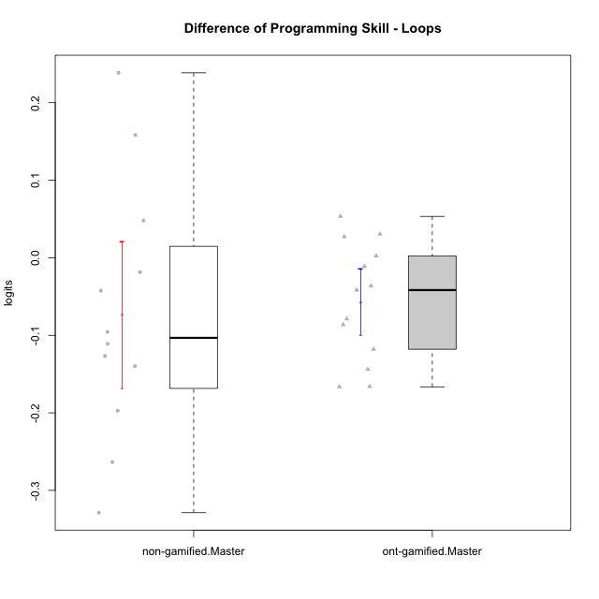

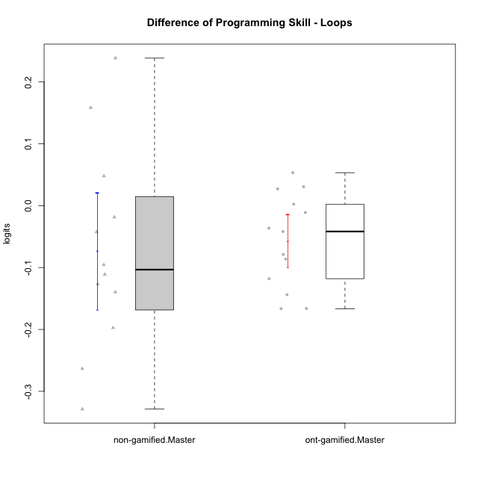

Student's t-Test data
UserID | NroUSP | Type | CLGroup | CLRole | PlayerRole | PreTheta | PostTheta | DiffTheta
10169 | 10377538 | ont-gamified | Grupo Hefesto | Master | Yee Achiever | -0.032480194741 | -0.15050317 | -0.11802297526
10174 | 10276852 | ont-gamified | Grupo Urano | Master | Yee Achiever | -0.047926858141 | -0.21401218001 | -0.16608532187
10175 | 10310700 | ont-gamified | Grupo Hélio | Master | Yee Socializer | 0.18198609406 | 0.038228297756 | -0.14375779631
10179 | 10310759 | non-gamified | Grupo Team 9 | Master |  | 0.18198609406 | 0.34031510244 | 0.15832900838
10181 | 10276866 | non-gamified | Grupo Team 10 | Master |  | -0.0011256740753 | -0.043644153268 | -0.042518479193
10184 | 10276675 | ont-gamified | Grupo Apolo | Master | Yee Socializer | -0.015127497158 | 0.038228297756 | 0.053355794914
10188 | 10276995 | non-gamified | Grupo Team 3 | Master |  | 0.10183959472 | 0.34031510244 | 0.23847550772
10189 | 9363926 | ont-gamified | Grupo Hades | Master | Yee Socializer | -0.015127497158 | 0.015512707434 | 0.030640204592
10191 | 10276981 | non-gamified | Grupo Team 6 | Master |  | 0.13689830817 | -0.0027748587668 | -0.13967316693
10193 | 10276762 | ont-gamified | Grupo Afrodite | Master | Yee Achiever | 0.10183959472 | 0.015512707434 | -0.086326887283
10199 | 10276737 | ont-gamified | Grupo Gaia | Master | Yee Achiever | -0.02062078496 | -0.099412649919 | -0.078791864959
10201 | 10276928 | ont-gamified | Grupo Caronte | Master | Yee Achiever | -0.011657680283 | 0.015512707434 | 0.027170387717
10204 | 10310471 | ont-gamified | Grupo Hermes | Master | Yee Achiever | 0.18198609406 | 0.015512707434 | -0.16647338663
10206 | 10310721 | ont-gamified | Grupo Hera | Master | Yee Achiever | -0.0073006767313 | -0.043644153268 | -0.036343476537
10212 | 9065750 | non-gamified | Grupo Team 4 | Master |  | 0.060813732068 | -0.1365002933 | -0.19731402537
10214 | 10277022 | non-gamified | Grupo Team 5 | Master |  | -0.036035107244 | -0.054555662071 | -0.018520554827
10215 | 9285227 | ont-gamified | Grupo Zeus | Master | Yee Socializer | -0.02062078496 | -0.018200698968 | 0.0024200859914
10218 | 9842913 | ont-gamified | Grupo Ares | Master | Yee Achiever | -0.022915570247 | -0.064618182401 | -0.041702612154
10219 | 10276831 | non-gamified | Grupo Team 12 | Master |  | -0.032480194741 | 0.015512707434 | 0.047992902175
10222 | 9436110 | non-gamified | Grupo Team 16 | Master |  | -0.032480194741 | -0.14353089466 | -0.11105069992
10226 | 10310342 | non-gamified | Grupo Team 8 | Master |  | 0.25472950571 | -0.074025305707 | -0.32875481142
10230 | 10351992 | non-gamified | Grupo Team 14 | Master |  | -0.011657680283 | -0.10721060596 | -0.095552925681
10232 | 10276974 | ont-gamified | Grupo Artemis | Master | Yee Achiever | -0.02062078496 | -0.031643936414 | -0.011023151454
10234 | 10310676 | non-gamified | Grupo Team 7 | Master |  | -0.0098751669531 | -0.1365002933 | -0.12662512634
10237 | 10377688 | non-gamified | Grupo Team 11 | Master |  | 0.21981484416 | -0.043644153268 | -0.26345899743

Type_CLRole_6
Student's t-Test for Difference of Programming Skill - Loops in Type:CLRole between ont-gamified.Apprentice:ont-gamified.Master

Student's t-Test results
Alternative hypothesis: less
Group | N | Mean | Mean.Difference | Std.deviation | Std.error | CI.lower | CI.upper | df | t.value | p.value | g | magnitude
ont-gamified.Apprentice | 10 | -0.018454033658 | 0.038079889361 | 0.074666623251 | 0.023611659467 | -0.065677352591 | 0.028769285275 | 19.712119874 | 1.201546381 | 0.8781114706 | 0.48576041448 | small
ont-gamified.Master | 13 | -0.056533923019 | -0.038079889361 | 0.076221200382 | 0.021139957404 | -0.098813837827 | -0.01425400821 | 19.712119874 | 1.201546381 | 0.8781114706 | 0.48576041448 | small
Alternative hypothesis: greater
Group | N | Mean | Mean.Difference | Std.deviation | Std.error | CI.lower | CI.upper | df | t.value | p.value | g | magnitude
ont-gamified.Apprentice | 10 | -0.018454033658 | 0.038079889361 | 0.074666623251 | 0.023611659467 | -0.065677352591 | 0.028769285275 | 19.712119874 | 1.201546381 | 0.1218885294 | 0.48576041448 | small
ont-gamified.Master | 13 | -0.056533923019 | -0.038079889361 | 0.076221200382 | 0.021139957404 | -0.098813837827 | -0.01425400821 | 19.712119874 | 1.201546381 | 0.1218885294 | 0.48576041448 | small
Alternative hypothesis: two.sided
Group | N | Mean | Mean.Difference | Std.deviation | Std.error | CI.lower | CI.upper | df | t.value | p.value | g | magnitude
ont-gamified.Apprentice | 10 | -0.018454033658 | 0.038079889361 | 0.074666623251 | 0.023611659467 | -0.065677352591 | 0.028769285275 | 19.712119874 | 1.201546381 | 0.24377705879 | 0.48576041448 | small
ont-gamified.Master | 13 | -0.056533923019 | -0.038079889361 | 0.076221200382 | 0.021139957404 | -0.098813837827 | -0.01425400821 | 19.712119874 | 1.201546381 | 0.24377705879 | 0.48576041448 | small

Box plots for Student's t-Test
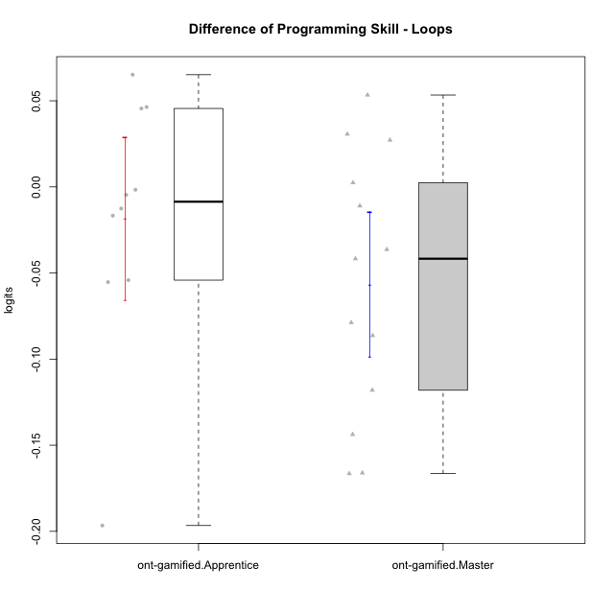

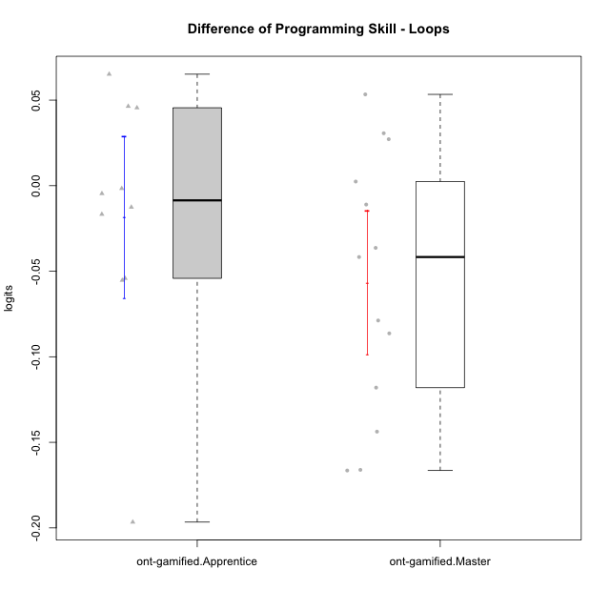

Student's t-Test data
UserID | NroUSP | Type | CLGroup | CLRole | PlayerRole | PreTheta | PostTheta | DiffTheta
10169 | 10377538 | ont-gamified | Grupo Hefesto | Master | Yee Achiever | -0.032480194741 | -0.15050317 | -0.11802297526
10170 | 10260351 | ont-gamified | Grupo Afrodite | Apprentice | Yee Achiever | -0.036035107244 | -0.091328484977 | -0.055293377733
10174 | 10276852 | ont-gamified | Grupo Urano | Master | Yee Achiever | -0.047926858141 | -0.21401218001 | -0.16608532187
10175 | 10310700 | ont-gamified | Grupo Hélio | Master | Yee Socializer | 0.18198609406 | 0.038228297756 | -0.14375779631
10176 | 10276949 | ont-gamified | Grupo Cronus | Apprentice | Yee Achiever | -0.026931876924 | -0.043644153268 | -0.016712276344
10178 | 8656201 | ont-gamified | Grupo Morfeu | Apprentice | Yee Socializer | -0.086719058651 | -0.091328484977 | -0.0046094263257
10183 | 10352030 | ont-gamified | Grupo Hélio | Apprentice | Yee Socializer | -0.041984987869 | -0.054555662071 | -0.012570674203
10184 | 10276675 | ont-gamified | Grupo Apolo | Master | Yee Socializer | -0.015127497158 | 0.038228297756 | 0.053355794914
10189 | 9363926 | ont-gamified | Grupo Hades | Master | Yee Socializer | -0.015127497158 | 0.015512707434 | 0.030640204592
10190 | 10276907 | ont-gamified | Grupo Zeus | Apprentice | Yee Socializer | -0.0081582985864 | 0.038228297756 | 0.046386596342
10193 | 10276762 | ont-gamified | Grupo Afrodite | Master | Yee Achiever | 0.10183959472 | 0.015512707434 | -0.086326887283
10195 | 10351971 | ont-gamified | Grupo Urano | Apprentice | Yee Achiever | -0.028730019215 | -0.082892906508 | -0.054162887292
10197 | 10276661 | ont-gamified | Grupo Gaia | Apprentice | Yee Achiever | -0.0073006767313 | 0.038228297756 | 0.045528974487
10199 | 10276737 | ont-gamified | Grupo Gaia | Master | Yee Achiever | -0.02062078496 | -0.099412649919 | -0.078791864959
10201 | 10276928 | ont-gamified | Grupo Caronte | Master | Yee Achiever | -0.011657680283 | 0.015512707434 | 0.027170387717
10204 | 10310471 | ont-gamified | Grupo Hermes | Master | Yee Achiever | 0.18198609406 | 0.015512707434 | -0.16647338663
10206 | 10310721 | ont-gamified | Grupo Hera | Master | Yee Achiever | -0.0073006767313 | -0.043644153268 | -0.036343476537
10209 | 10262669 | ont-gamified | Grupo Artemis | Apprentice | Yee Achiever | -0.0011256740753 | -0.0027748587668 | -0.0016491846915
10215 | 9285227 | ont-gamified | Grupo Zeus | Master | Yee Socializer | -0.02062078496 | -0.018200698968 | 0.0024200859914
10218 | 9842913 | ont-gamified | Grupo Ares | Master | Yee Achiever | -0.022915570247 | -0.064618182401 | -0.041702612154
10221 | 9082496 | ont-gamified | Grupo Hermes | Apprentice | Yee Achiever | -0.047926858141 | -0.24454511364 | -0.1966182555
10231 | 10276911 | ont-gamified | Grupo Caronte | Apprentice | Yee Achiever | -0.026931876924 | 0.038228297756 | 0.06516017468
10232 | 10276974 | ont-gamified | Grupo Artemis | Master | Yee Achiever | -0.02062078496 | -0.031643936414 | -0.011023151454

