Type_1
Wilcoxon Analysis for Necessary Interactions - Cond. Structures in Type between non-gamified:ont-gamified

Wilcoxon test results
Alternative hypothesis: less
Group | N | Median | Mean.Ranks | Sum.Ranks | U | Z | p.value | r | magnitude
non-gamified | 32 | 2 | 25.671875 | 821.5 | 293.5 | -2.6930351775 | 0.0032697668966 | 0.34201580955 | medium
ont-gamified | 30 | 3 | 37.716666667 | 1131.5 | 293.5 | -2.6930351775 | 0.0032697668966 | 0.34201580955 | medium
Alternative hypothesis: greater
Group | N | Median | Mean.Ranks | Sum.Ranks | U | Z | p.value | r | magnitude
non-gamified | 32 | 2 | 25.671875 | 821.5 | 293.5 | -2.6930351775 | 0.99681945599 | 0.34201580955 | medium
ont-gamified | 30 | 3 | 37.716666667 | 1131.5 | 293.5 | -2.6930351775 | 0.99681945599 | 0.34201580955 | medium
Alternative hypothesis: two.sided
Group | N | Median | Mean.Ranks | Sum.Ranks | U | Z | p.value | r | magnitude
non-gamified | 32 | 2 | 25.671875 | 821.5 | 293.5 | -2.6930351775 | 0.00653327036 | 0.34201580955 | medium
ont-gamified | 30 | 3 | 37.716666667 | 1131.5 | 293.5 | -2.6930351775 | 0.00653327036 | 0.34201580955 | medium

Box plots for wilcoxon tests
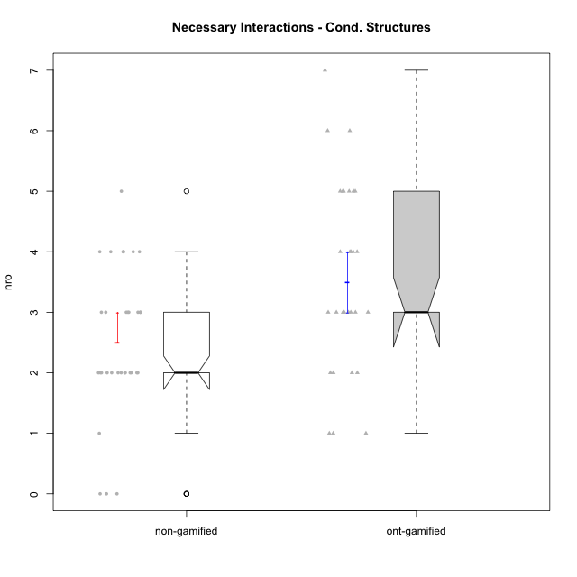

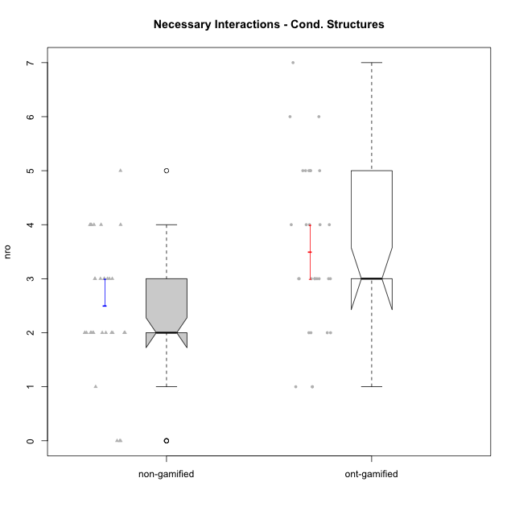

Wilcoxon data
UserID | NroUSP | Type | Group | CLRole | PlayerRole | ParticipationLevel | NroTotalInteractions | NroNecessaryInteractions | (1) Elaborar lista de exercícios | (2) Demonstrar a solução de um problema | (3) Enviar (ou reenviar) a solução do problema | (c) Aceitar a solução como boa | NroSolutionReviewed (Apprentice) | NroSolutionReviewed (Master) | NroSolutionWithoutReviewed (Apprentice) | NroSolutionWithoutReviewed (Master) | NroSolutionGoodReview | NroDesiredInteractions | (a) Expressar dúvidas em relação à demonstração | (b) Esclarecer as dúvidas | (d) Notificar os erros existentes na solução | (e) Apresentar dicas ou otra forma de ajuda | (f) Expressar dificuldade em resolver o problema | (g) Explicar como resolver o problema
10193 | 10276762 | ont-gamified | Grupo Afrodite | Master | Yee Achiever | complete | 7 | 5 | 1 | 1 | 0 | 3 | 0 | 4 | 0 | 0 | 0 | 2 | 0 | 0 | 1 | 0 | 0 | 1
10170 | 10260351 | ont-gamified | Grupo Afrodite | Apprentice | Yee Achiever | complete | 5 | 4 | 0 | 0 | 4 | 0 | 4 | 0 | 0 | 0 | 3 | 1 | 0 | 0 | 0 | 0 | 1 | 0
10198 | 10310888 | ont-gamified | Grupo Apolo | Apprentice | Yee Socializer | complete | 8 | 4 | 0 | 0 | 4 | 0 | 4 | 0 | 0 | 0 | 2 | 4 | 3 | 0 | 0 | 0 | 1 | 0
10184 | 10276675 | ont-gamified | Grupo Apolo | Master | Yee Socializer | complete | 17 | 4 | 1 | 1 | 0 | 2 | 0 | 4 | 0 | 0 | 0 | 13 | 0 | 3 | 2 | 5 | 0 | 3
10186 | 10310551 | ont-gamified | Grupo Ares | Apprentice | Yee Achiever | complete | 4 | 3 | 0 | 0 | 3 | 0 | 3 | 0 | 0 | 0 | 3 | 1 | 1 | 0 | 0 | 0 | 0 | 0
10218 | 9842913 | ont-gamified | Grupo Ares | Master | Yee Achiever | complete | 6 | 5 | 1 | 1 | 0 | 3 | 0 | 3 | 0 | 0 | 0 | 1 | 0 | 1 | 0 | 0 | 0 | 0
10209 | 10262669 | ont-gamified | Grupo Artemis | Apprentice | Yee Achiever | complete | 4 | 3 | 0 | 0 | 3 | 0 | 3 | 0 | 0 | 0 | 3 | 1 | 1 | 0 | 0 | 0 | 0 | 0
10232 | 10276974 | ont-gamified | Grupo Artemis | Master | Yee Achiever | complete | 7 | 6 | 1 | 1 | 0 | 4 | 0 | 3 | 0 | 0 | 0 | 1 | 0 | 1 | 0 | 0 | 0 | 0
10231 | 10276911 | ont-gamified | Grupo Caronte | Apprentice | Yee Achiever | semicomplete | 1 | 1 | 0 | 0 | 1 | 0 | 1 | 0 | 0 | 0 | 1 | 0 | 0 | 0 | 0 | 0 | 0 | 0
10201 | 10276928 | ont-gamified | Grupo Caronte | Master | Yee Achiever | complete | 3 | 3 | 1 | 1 | 0 | 1 | 0 | 1 | 0 | 0 | 0 | 0 | 0 | 0 | 0 | 0 | 0 | 0
10176 | 10276949 | ont-gamified | Grupo Cronus | Apprentice | Yee Achiever | complete | 3 | 3 | 0 | 0 | 3 | 0 | 3 | 0 | 0 | 0 | 3 | 0 | 0 | 0 | 0 | 0 | 0 | 0
10223 | 9795185 | ont-gamified | Grupo Cronus | Master | Yee Achiever | complete | 6 | 5 | 1 | 1 | 0 | 3 | 0 | 3 | 0 | 0 | 0 | 1 | 0 | 0 | 0 | 1 | 0 | 0
10199 | 10276737 | ont-gamified | Grupo Gaia | Master | Yee Achiever | semicomplete | 3 | 2 | 1 | 1 | 0 | 0 | 0 | 1 | 0 | 3 | 0 | 1 | 0 | 0 | 1 | 0 | 0 | 0
10197 | 10276661 | ont-gamified | Grupo Gaia | Apprentice | Yee Achiever | partial | 5 | 4 | 0 | 0 | 4 | 0 | 1 | 0 | 3 | 0 | 0 | 1 | 1 | 0 | 0 | 0 | 0 | 0
10200 | 9795272 | ont-gamified | Grupo Hades | Apprentice | Yee Socializer | complete | 4 | 3 | 0 | 0 | 3 | 0 | 3 | 0 | 0 | 0 | 3 | 1 | 1 | 0 | 0 | 0 | 0 | 0
10189 | 9363926 | ont-gamified | Grupo Hades | Master | Yee Socializer | complete | 7 | 5 | 1 | 1 | 0 | 3 | 0 | 3 | 0 | 0 | 0 | 2 | 0 | 1 | 0 | 1 | 0 | 0
10169 | 10377538 | ont-gamified | Grupo Hefesto | Master | Yee Achiever | semicomplete | 7 | 5 | 1 | 1 | 0 | 3 | 0 | 4 | 0 | 2 | 0 | 2 | 0 | 0 | 2 | 0 | 0 | 0
10196 | 10310655 | ont-gamified | Grupo Hefesto | Apprentice | Yee Achiever | complete | 7 | 6 | 0 | 0 | 6 | 0 | 4 | 0 | 2 | 0 | 2 | 1 | 1 | 0 | 0 | 0 | 0 | 0
10175 | 10310700 | ont-gamified | Grupo Hélio | Master | Yee Socializer | semicomplete | 10 | 3 | 1 | 1 | 0 | 1 | 0 | 4 | 0 | 3 | 0 | 7 | 0 | 1 | 3 | 3 | 0 | 0
10183 | 10352030 | ont-gamified | Grupo Hélio | Apprentice | Yee Socializer | semicomplete | 8 | 7 | 0 | 0 | 7 | 0 | 4 | 0 | 3 | 0 | 1 | 1 | 1 | 0 | 0 | 0 | 0 | 0
10206 | 10310721 | ont-gamified | Grupo Hera | Master | Yee Achiever | complete | 4 | 3 | 1 | 1 | 0 | 1 | 0 | 1 | 0 | 0 | 0 | 1 | 0 | 0 | 1 | 0 | 0 | 0
10240 | 10276654 | ont-gamified | Grupo Hera | Apprentice | Yee Achiever | semicomplete | 1 | 1 | 0 | 0 | 1 | 0 | 1 | 0 | 0 | 0 | 1 | 0 | 0 | 0 | 0 | 0 | 0 | 0
10221 | 9082496 | ont-gamified | Grupo Hermes | Apprentice | Yee Achiever | semicomplete | 2 | 2 | 0 | 0 | 2 | 0 | 2 | 0 | 0 | 0 | 1 | 0 | 0 | 0 | 0 | 0 | 0 | 0
10204 | 10310471 | ont-gamified | Grupo Hermes | Master | Yee Achiever | complete | 5 | 3 | 1 | 1 | 0 | 1 | 0 | 2 | 0 | 0 | 0 | 2 | 0 | 0 | 1 | 1 | 0 | 0
10213 | 10277040 | ont-gamified | Grupo Morfeu | Master | Yee Socializer | complete | 5 | 2 | 1 | 1 | 0 | 0 | 0 | 1 | 0 | 0 | 0 | 3 | 0 | 0 | 3 | 0 | 0 | 0
10178 | 8656201 | ont-gamified | Grupo Morfeu | Apprentice | Yee Socializer | partial | 1 | 1 | 0 | 0 | 1 | 0 | 1 | 0 | 0 | 0 | 0 | 0 | 0 | 0 | 0 | 0 | 0 | 0
10229 | 9292462 | non-gamified | Grupo Team 1 | Apprentice |  | none | 0 | 0 | 0 | 0 | 0 | 0 | 0 | 0 | 0 | 0 | 0 | 0 | 0 | 0 | 0 | 0 | 0 | 0
10172 | 10273971 | non-gamified | Grupo Team 1 | Master |  | partial | 2 | 2 | 1 | 1 | 0 | 0 | 0 | 0 | 0 | 0 | 0 | 0 | 0 | 0 | 0 | 0 | 0 | 0
10224 | 9368772 | non-gamified | Grupo Team 10 | Apprentice |  | partial | 2 | 2 | 0 | 0 | 2 | 0 | 0 | 0 | 2 | 0 | 0 | 0 | 0 | 0 | 0 | 0 | 0 | 0
10181 | 10276866 | non-gamified | Grupo Team 10 | Master |  | partial | 2 | 2 | 1 | 1 | 0 | 0 | 0 | 0 | 0 | 2 | 0 | 0 | 0 | 0 | 0 | 0 | 0 | 0
10202 | 10277036 | non-gamified | Grupo Team 11 | Apprentice |  | semicomplete | 2 | 2 | 0 | 0 | 2 | 0 | 2 | 0 | 0 | 0 | 1 | 0 | 0 | 0 | 0 | 0 | 0 | 0
10237 | 10377688 | non-gamified | Grupo Team 11 | Master |  | complete | 5 | 3 | 1 | 1 | 0 | 1 | 0 | 2 | 0 | 0 | 0 | 2 | 0 | 0 | 1 | 1 | 0 | 0
10185 | 10276960 | non-gamified | Grupo Team 12 | Apprentice |  | semicomplete | 1 | 1 | 0 | 0 | 1 | 0 | 1 | 0 | 0 | 0 | 1 | 0 | 0 | 0 | 0 | 0 | 0 | 0
10219 | 10276831 | non-gamified | Grupo Team 12 | Master |  | complete | 3 | 3 | 1 | 1 | 0 | 1 | 0 | 1 | 0 | 0 | 0 | 0 | 0 | 0 | 0 | 0 | 0 | 0
10217 | 9805341 | non-gamified | Grupo Team 13 | Master |  | complete | 9 | 2 | 1 | 1 | 0 | 0 | 0 | 2 | 0 | 0 | 0 | 7 | 0 | 3 | 3 | 1 | 0 | 0
10238 | 10276953 | non-gamified | Grupo Team 13 | Apprentice |  | partial | 4 | 2 | 0 | 0 | 2 | 0 | 2 | 0 | 0 | 0 | 0 | 2 | 2 | 0 | 0 | 0 | 0 | 0
10230 | 10351992 | non-gamified | Grupo Team 14 | Master |  | partial | 4 | 4 | 2 | 2 | 0 | 0 | 0 | 0 | 0 | 3 | 0 | 0 | 0 | 0 | 0 | 0 | 0 | 0
10228 | 10310492 | non-gamified | Grupo Team 14 | Apprentice |  | partial | 3 | 3 | 0 | 0 | 3 | 0 | 0 | 0 | 3 | 0 | 0 | 0 | 0 | 0 | 0 | 0 | 0 | 0
10216 | 10276720 | non-gamified | Grupo Team 15 | Master |  | complete | 5 | 3 | 1 | 1 | 0 | 1 | 0 | 3 | 0 | 0 | 0 | 2 | 0 | 0 | 2 | 0 | 0 | 0
10187 | 9790781 | non-gamified | Grupo Team 15 | Apprentice |  | semicomplete | 3 | 3 | 0 | 0 | 3 | 0 | 3 | 0 | 0 | 0 | 1 | 0 | 0 | 0 | 0 | 0 | 0 | 0
10222 | 9436110 | non-gamified | Grupo Team 16 | Master |  | partial | 2 | 2 | 1 | 1 | 0 | 0 | 0 | 0 | 0 | 0 | 0 | 0 | 0 | 0 | 0 | 0 | 0 | 0
10233 | 9805320 | non-gamified | Grupo Team 16 | Apprentice |  | none | 0 | 0 | 0 | 0 | 0 | 0 | 0 | 0 | 0 | 0 | 0 | 0 | 0 | 0 | 0 | 0 | 0 | 0
10211 | 9311643 | non-gamified | Grupo Team 2 | Master |  | complete | 5 | 4 | 1 | 1 | 0 | 2 | 0 | 3 | 0 | 0 | 0 | 1 | 0 | 0 | 0 | 1 | 0 | 0
10220 | 9760151 | non-gamified | Grupo Team 2 | Apprentice |  | complete | 3 | 3 | 0 | 0 | 3 | 0 | 3 | 0 | 0 | 0 | 2 | 0 | 0 | 0 | 0 | 0 | 0 | 0
10188 | 10276995 | non-gamified | Grupo Team 3 | Master |  | semicomplete | 3 | 2 | 1 | 1 | 0 | 0 | 0 | 1 | 0 | 2 | 0 | 1 | 0 | 0 | 1 | 0 | 0 | 0
10203 | 9921470 | non-gamified | Grupo Team 3 | Apprentice |  | partial | 3 | 3 | 0 | 0 | 3 | 0 | 1 | 0 | 2 | 0 | 0 | 0 | 0 | 0 | 0 | 0 | 0 | 0
10212 | 9065750 | non-gamified | Grupo Team 4 | Master |  | partial | 2 | 2 | 1 | 1 | 0 | 0 | 0 | 0 | 0 | 4 | 0 | 0 | 0 | 0 | 0 | 0 | 0 | 0
10227 | 9274382 | non-gamified | Grupo Team 4 | Apprentice |  | partial | 4 | 4 | 0 | 0 | 4 | 0 | 0 | 0 | 4 | 0 | 0 | 0 | 0 | 0 | 0 | 0 | 0 | 0
10214 | 10277022 | non-gamified | Grupo Team 5 | Master |  | semicomplete | 5 | 5 | 1 | 1 | 0 | 3 | 0 | 3 | 0 | 1 | 0 | 0 | 0 | 0 | 0 | 0 | 0 | 0
10192 | 10276682 | non-gamified | Grupo Team 5 | Apprentice |  | complete | 4 | 4 | 0 | 0 | 4 | 0 | 3 | 0 | 1 | 0 | 3 | 0 | 0 | 0 | 0 | 0 | 0 | 0
10171 | 698531 | non-gamified | Grupo Team 6 | Apprentice |  | complete | 3 | 2 | 0 | 0 | 2 | 0 | 2 | 0 | 0 | 0 | 2 | 1 | 1 | 0 | 0 | 0 | 0 | 0
10191 | 10276981 | non-gamified | Grupo Team 6 | Master |  | complete | 6 | 4 | 1 | 1 | 0 | 2 | 0 | 2 | 0 | 0 | 0 | 2 | 0 | 1 | 0 | 1 | 0 | 0
10234 | 10310676 | non-gamified | Grupo Team 7 | Master |  | partial | 2 | 2 | 1 | 1 | 0 | 0 | 0 | 0 | 0 | 2 | 0 | 0 | 0 | 0 | 0 | 0 | 0 | 0
10208 | 10276932 | non-gamified | Grupo Team 7 | Apprentice |  | partial | 3 | 2 | 0 | 0 | 2 | 0 | 0 | 0 | 2 | 0 | 0 | 1 | 1 | 0 | 0 | 0 | 0 | 0
10226 | 10310342 | non-gamified | Grupo Team 8 | Master |  | partial | 2 | 2 | 1 | 1 | 0 | 0 | 0 | 0 | 0 | 0 | 0 | 0 | 0 | 0 | 0 | 0 | 0 | 0
10241 | 9885286 | non-gamified | Grupo Team 8 | Apprentice |  | none | 0 | 0 | 0 | 0 | 0 | 0 | 0 | 0 | 0 | 0 | 0 | 0 | 0 | 0 | 0 | 0 | 0 | 0
10179 | 10310759 | non-gamified | Grupo Team 9 | Master |  | semicomplete | 5 | 3 | 1 | 1 | 0 | 1 | 0 | 3 | 0 | 1 | 0 | 2 | 0 | 0 | 2 | 0 | 0 | 0
10210 | 10277015 | non-gamified | Grupo Team 9 | Apprentice |  | semicomplete | 4 | 4 | 0 | 0 | 4 | 0 | 3 | 0 | 1 | 0 | 1 | 0 | 0 | 0 | 0 | 0 | 0 | 0
10174 | 10276852 | ont-gamified | Grupo Urano | Master | Yee Achiever | complete | 9 | 5 | 1 | 1 | 0 | 3 | 0 | 4 | 0 | 0 | 0 | 4 | 0 | 0 | 1 | 3 | 0 | 0
10195 | 10351971 | ont-gamified | Grupo Urano | Apprentice | Yee Achiever | complete | 4 | 4 | 0 | 0 | 4 | 0 | 4 | 0 | 0 | 0 | 3 | 0 | 0 | 0 | 0 | 0 | 0 | 0
10215 | 9285227 | ont-gamified | Grupo Zeus | Master | Yee Socializer | partial | 2 | 2 | 1 | 1 | 0 | 0 | 0 | 0 | 0 | 3 | 0 | 0 | 0 | 0 | 0 | 0 | 0 | 0
10190 | 10276907 | ont-gamified | Grupo Zeus | Apprentice | Yee Socializer | partial | 3 | 3 | 0 | 0 | 3 | 0 | 0 | 0 | 3 | 0 | 0 | 0 | 0 | 0 | 0 | 0 | 0 | 0

Type_CLRole_1
Wilcoxon Analysis for Necessary Interactions - Cond. Structures in Type:CLRole between non-gamified.Apprentice:non-gamified.Master

Wilcoxon test results
Alternative hypothesis: less
Group | N | Median | Mean.Ranks | Sum.Ranks | U | Z | p.value | r | magnitude
non-gamified.Apprentice | 16 | 2 | 14.78125 | 236.5 | 100.5 | -1.0860480664 | 0.14428871486 | 0.19198798811 | small
non-gamified.Master | 16 | 2.5 | 18.21875 | 291.5 | 100.5 | -1.0860480664 | 0.14428871486 | 0.19198798811 | small
Alternative hypothesis: greater
Group | N | Median | Mean.Ranks | Sum.Ranks | U | Z | p.value | r | magnitude
non-gamified.Apprentice | 16 | 2 | 14.78125 | 236.5 | 100.5 | -1.0860480664 | 0.86512613562 | 0.19198798811 | small
non-gamified.Master | 16 | 2.5 | 18.21875 | 291.5 | 100.5 | -1.0860480664 | 0.86512613562 | 0.19198798811 | small
Alternative hypothesis: two.sided
Group | N | Median | Mean.Ranks | Sum.Ranks | U | Z | p.value | r | magnitude
non-gamified.Apprentice | 16 | 2 | 14.78125 | 236.5 | 100.5 | -1.0860480664 | 0.28857742972 | 0.19198798811 | small
non-gamified.Master | 16 | 2.5 | 18.21875 | 291.5 | 100.5 | -1.0860480664 | 0.28857742972 | 0.19198798811 | small

Box plots for wilcoxon tests
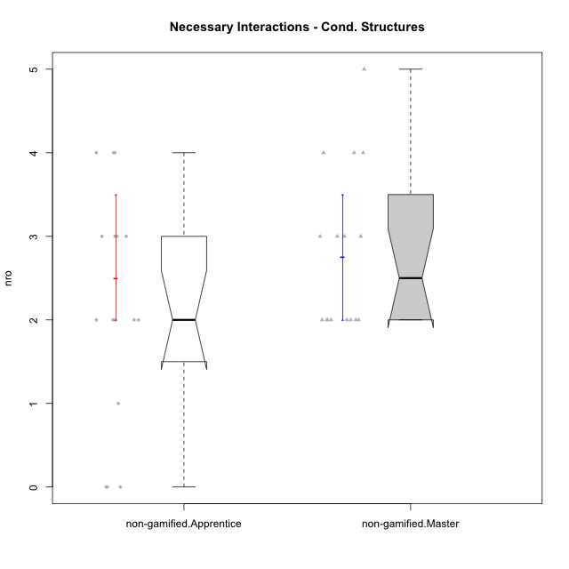

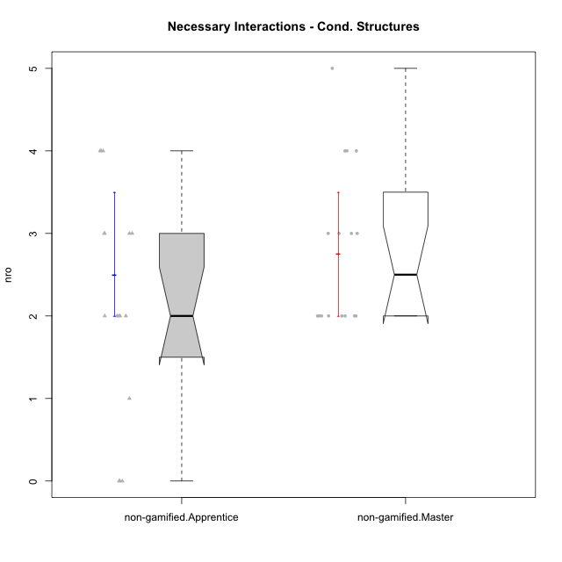

Wilcoxon data
UserID | NroUSP | Type | Group | CLRole | PlayerRole | ParticipationLevel | NroTotalInteractions | NroNecessaryInteractions | (1) Elaborar lista de exercícios | (2) Demonstrar a solução de um problema | (3) Enviar (ou reenviar) a solução do problema | (c) Aceitar a solução como boa | NroSolutionReviewed (Apprentice) | NroSolutionReviewed (Master) | NroSolutionWithoutReviewed (Apprentice) | NroSolutionWithoutReviewed (Master) | NroSolutionGoodReview | NroDesiredInteractions | (a) Expressar dúvidas em relação à demonstração | (b) Esclarecer as dúvidas | (d) Notificar os erros existentes na solução | (e) Apresentar dicas ou otra forma de ajuda | (f) Expressar dificuldade em resolver o problema | (g) Explicar como resolver o problema
10229 | 9292462 | non-gamified | Grupo Team 1 | Apprentice |  | none | 0 | 0 | 0 | 0 | 0 | 0 | 0 | 0 | 0 | 0 | 0 | 0 | 0 | 0 | 0 | 0 | 0 | 0
10172 | 10273971 | non-gamified | Grupo Team 1 | Master |  | partial | 2 | 2 | 1 | 1 | 0 | 0 | 0 | 0 | 0 | 0 | 0 | 0 | 0 | 0 | 0 | 0 | 0 | 0
10224 | 9368772 | non-gamified | Grupo Team 10 | Apprentice |  | partial | 2 | 2 | 0 | 0 | 2 | 0 | 0 | 0 | 2 | 0 | 0 | 0 | 0 | 0 | 0 | 0 | 0 | 0
10181 | 10276866 | non-gamified | Grupo Team 10 | Master |  | partial | 2 | 2 | 1 | 1 | 0 | 0 | 0 | 0 | 0 | 2 | 0 | 0 | 0 | 0 | 0 | 0 | 0 | 0
10202 | 10277036 | non-gamified | Grupo Team 11 | Apprentice |  | semicomplete | 2 | 2 | 0 | 0 | 2 | 0 | 2 | 0 | 0 | 0 | 1 | 0 | 0 | 0 | 0 | 0 | 0 | 0
10237 | 10377688 | non-gamified | Grupo Team 11 | Master |  | complete | 5 | 3 | 1 | 1 | 0 | 1 | 0 | 2 | 0 | 0 | 0 | 2 | 0 | 0 | 1 | 1 | 0 | 0
10185 | 10276960 | non-gamified | Grupo Team 12 | Apprentice |  | semicomplete | 1 | 1 | 0 | 0 | 1 | 0 | 1 | 0 | 0 | 0 | 1 | 0 | 0 | 0 | 0 | 0 | 0 | 0
10219 | 10276831 | non-gamified | Grupo Team 12 | Master |  | complete | 3 | 3 | 1 | 1 | 0 | 1 | 0 | 1 | 0 | 0 | 0 | 0 | 0 | 0 | 0 | 0 | 0 | 0
10217 | 9805341 | non-gamified | Grupo Team 13 | Master |  | complete | 9 | 2 | 1 | 1 | 0 | 0 | 0 | 2 | 0 | 0 | 0 | 7 | 0 | 3 | 3 | 1 | 0 | 0
10238 | 10276953 | non-gamified | Grupo Team 13 | Apprentice |  | partial | 4 | 2 | 0 | 0 | 2 | 0 | 2 | 0 | 0 | 0 | 0 | 2 | 2 | 0 | 0 | 0 | 0 | 0
10230 | 10351992 | non-gamified | Grupo Team 14 | Master |  | partial | 4 | 4 | 2 | 2 | 0 | 0 | 0 | 0 | 0 | 3 | 0 | 0 | 0 | 0 | 0 | 0 | 0 | 0
10228 | 10310492 | non-gamified | Grupo Team 14 | Apprentice |  | partial | 3 | 3 | 0 | 0 | 3 | 0 | 0 | 0 | 3 | 0 | 0 | 0 | 0 | 0 | 0 | 0 | 0 | 0
10216 | 10276720 | non-gamified | Grupo Team 15 | Master |  | complete | 5 | 3 | 1 | 1 | 0 | 1 | 0 | 3 | 0 | 0 | 0 | 2 | 0 | 0 | 2 | 0 | 0 | 0
10187 | 9790781 | non-gamified | Grupo Team 15 | Apprentice |  | semicomplete | 3 | 3 | 0 | 0 | 3 | 0 | 3 | 0 | 0 | 0 | 1 | 0 | 0 | 0 | 0 | 0 | 0 | 0
10222 | 9436110 | non-gamified | Grupo Team 16 | Master |  | partial | 2 | 2 | 1 | 1 | 0 | 0 | 0 | 0 | 0 | 0 | 0 | 0 | 0 | 0 | 0 | 0 | 0 | 0
10233 | 9805320 | non-gamified | Grupo Team 16 | Apprentice |  | none | 0 | 0 | 0 | 0 | 0 | 0 | 0 | 0 | 0 | 0 | 0 | 0 | 0 | 0 | 0 | 0 | 0 | 0
10211 | 9311643 | non-gamified | Grupo Team 2 | Master |  | complete | 5 | 4 | 1 | 1 | 0 | 2 | 0 | 3 | 0 | 0 | 0 | 1 | 0 | 0 | 0 | 1 | 0 | 0
10220 | 9760151 | non-gamified | Grupo Team 2 | Apprentice |  | complete | 3 | 3 | 0 | 0 | 3 | 0 | 3 | 0 | 0 | 0 | 2 | 0 | 0 | 0 | 0 | 0 | 0 | 0
10188 | 10276995 | non-gamified | Grupo Team 3 | Master |  | semicomplete | 3 | 2 | 1 | 1 | 0 | 0 | 0 | 1 | 0 | 2 | 0 | 1 | 0 | 0 | 1 | 0 | 0 | 0
10203 | 9921470 | non-gamified | Grupo Team 3 | Apprentice |  | partial | 3 | 3 | 0 | 0 | 3 | 0 | 1 | 0 | 2 | 0 | 0 | 0 | 0 | 0 | 0 | 0 | 0 | 0
10212 | 9065750 | non-gamified | Grupo Team 4 | Master |  | partial | 2 | 2 | 1 | 1 | 0 | 0 | 0 | 0 | 0 | 4 | 0 | 0 | 0 | 0 | 0 | 0 | 0 | 0
10227 | 9274382 | non-gamified | Grupo Team 4 | Apprentice |  | partial | 4 | 4 | 0 | 0 | 4 | 0 | 0 | 0 | 4 | 0 | 0 | 0 | 0 | 0 | 0 | 0 | 0 | 0
10214 | 10277022 | non-gamified | Grupo Team 5 | Master |  | semicomplete | 5 | 5 | 1 | 1 | 0 | 3 | 0 | 3 | 0 | 1 | 0 | 0 | 0 | 0 | 0 | 0 | 0 | 0
10192 | 10276682 | non-gamified | Grupo Team 5 | Apprentice |  | complete | 4 | 4 | 0 | 0 | 4 | 0 | 3 | 0 | 1 | 0 | 3 | 0 | 0 | 0 | 0 | 0 | 0 | 0
10171 | 698531 | non-gamified | Grupo Team 6 | Apprentice |  | complete | 3 | 2 | 0 | 0 | 2 | 0 | 2 | 0 | 0 | 0 | 2 | 1 | 1 | 0 | 0 | 0 | 0 | 0
10191 | 10276981 | non-gamified | Grupo Team 6 | Master |  | complete | 6 | 4 | 1 | 1 | 0 | 2 | 0 | 2 | 0 | 0 | 0 | 2 | 0 | 1 | 0 | 1 | 0 | 0
10234 | 10310676 | non-gamified | Grupo Team 7 | Master |  | partial | 2 | 2 | 1 | 1 | 0 | 0 | 0 | 0 | 0 | 2 | 0 | 0 | 0 | 0 | 0 | 0 | 0 | 0
10208 | 10276932 | non-gamified | Grupo Team 7 | Apprentice |  | partial | 3 | 2 | 0 | 0 | 2 | 0 | 0 | 0 | 2 | 0 | 0 | 1 | 1 | 0 | 0 | 0 | 0 | 0
10226 | 10310342 | non-gamified | Grupo Team 8 | Master |  | partial | 2 | 2 | 1 | 1 | 0 | 0 | 0 | 0 | 0 | 0 | 0 | 0 | 0 | 0 | 0 | 0 | 0 | 0
10241 | 9885286 | non-gamified | Grupo Team 8 | Apprentice |  | none | 0 | 0 | 0 | 0 | 0 | 0 | 0 | 0 | 0 | 0 | 0 | 0 | 0 | 0 | 0 | 0 | 0 | 0
10179 | 10310759 | non-gamified | Grupo Team 9 | Master |  | semicomplete | 5 | 3 | 1 | 1 | 0 | 1 | 0 | 3 | 0 | 1 | 0 | 2 | 0 | 0 | 2 | 0 | 0 | 0
10210 | 10277015 | non-gamified | Grupo Team 9 | Apprentice |  | semicomplete | 4 | 4 | 0 | 0 | 4 | 0 | 3 | 0 | 1 | 0 | 1 | 0 | 0 | 0 | 0 | 0 | 0 | 0

Type_CLRole_2
Wilcoxon Analysis for Necessary Interactions - Cond. Structures in Type:CLRole between non-gamified.Apprentice:ont-gamified.Apprentice

Wilcoxon test results
Alternative hypothesis: less
Group | N | Median | Mean.Ranks | Sum.Ranks | U | Z | p.value | r | magnitude
non-gamified.Apprentice | 16 | 2 | 13.375 | 214 | 78 | -1.6991829828 | 0.046705842458 | 0.30518227282 | medium
ont-gamified.Apprentice | 15 | 3 | 18.8 | 282 | 78 | -1.6991829828 | 0.046705842458 | 0.30518227282 | medium
Alternative hypothesis: greater
Group | N | Median | Mean.Ranks | Sum.Ranks | U | Z | p.value | r | magnitude
non-gamified.Apprentice | 16 | 2 | 13.375 | 214 | 78 | -1.6991829828 | 0.95480238176 | 0.30518227282 | medium
ont-gamified.Apprentice | 15 | 3 | 18.8 | 282 | 78 | -1.6991829828 | 0.95480238176 | 0.30518227282 | medium
Alternative hypothesis: two.sided
Group | N | Median | Mean.Ranks | Sum.Ranks | U | Z | p.value | r | magnitude
non-gamified.Apprentice | 16 | 2 | 13.375 | 214 | 78 | -1.6991829828 | 0.09061958917 | 0.30518227282 | medium
ont-gamified.Apprentice | 15 | 3 | 18.8 | 282 | 78 | -1.6991829828 | 0.09061958917 | 0.30518227282 | medium

Box plots for wilcoxon tests
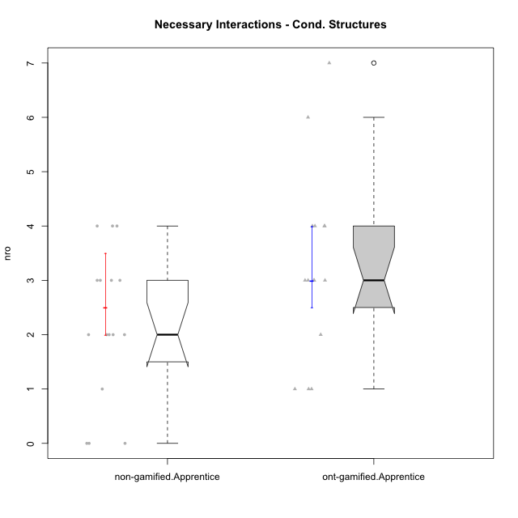

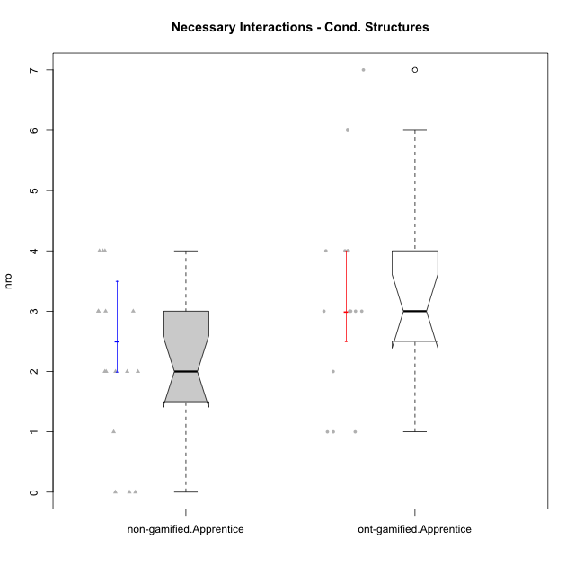

Wilcoxon data
UserID | NroUSP | Type | Group | CLRole | PlayerRole | ParticipationLevel | NroTotalInteractions | NroNecessaryInteractions | (1) Elaborar lista de exercícios | (2) Demonstrar a solução de um problema | (3) Enviar (ou reenviar) a solução do problema | (c) Aceitar a solução como boa | NroSolutionReviewed (Apprentice) | NroSolutionReviewed (Master) | NroSolutionWithoutReviewed (Apprentice) | NroSolutionWithoutReviewed (Master) | NroSolutionGoodReview | NroDesiredInteractions | (a) Expressar dúvidas em relação à demonstração | (b) Esclarecer as dúvidas | (d) Notificar os erros existentes na solução | (e) Apresentar dicas ou otra forma de ajuda | (f) Expressar dificuldade em resolver o problema | (g) Explicar como resolver o problema
10170 | 10260351 | ont-gamified | Grupo Afrodite | Apprentice | Yee Achiever | complete | 5 | 4 | 0 | 0 | 4 | 0 | 4 | 0 | 0 | 0 | 3 | 1 | 0 | 0 | 0 | 0 | 1 | 0
10198 | 10310888 | ont-gamified | Grupo Apolo | Apprentice | Yee Socializer | complete | 8 | 4 | 0 | 0 | 4 | 0 | 4 | 0 | 0 | 0 | 2 | 4 | 3 | 0 | 0 | 0 | 1 | 0
10186 | 10310551 | ont-gamified | Grupo Ares | Apprentice | Yee Achiever | complete | 4 | 3 | 0 | 0 | 3 | 0 | 3 | 0 | 0 | 0 | 3 | 1 | 1 | 0 | 0 | 0 | 0 | 0
10209 | 10262669 | ont-gamified | Grupo Artemis | Apprentice | Yee Achiever | complete | 4 | 3 | 0 | 0 | 3 | 0 | 3 | 0 | 0 | 0 | 3 | 1 | 1 | 0 | 0 | 0 | 0 | 0
10231 | 10276911 | ont-gamified | Grupo Caronte | Apprentice | Yee Achiever | semicomplete | 1 | 1 | 0 | 0 | 1 | 0 | 1 | 0 | 0 | 0 | 1 | 0 | 0 | 0 | 0 | 0 | 0 | 0
10176 | 10276949 | ont-gamified | Grupo Cronus | Apprentice | Yee Achiever | complete | 3 | 3 | 0 | 0 | 3 | 0 | 3 | 0 | 0 | 0 | 3 | 0 | 0 | 0 | 0 | 0 | 0 | 0
10197 | 10276661 | ont-gamified | Grupo Gaia | Apprentice | Yee Achiever | partial | 5 | 4 | 0 | 0 | 4 | 0 | 1 | 0 | 3 | 0 | 0 | 1 | 1 | 0 | 0 | 0 | 0 | 0
10200 | 9795272 | ont-gamified | Grupo Hades | Apprentice | Yee Socializer | complete | 4 | 3 | 0 | 0 | 3 | 0 | 3 | 0 | 0 | 0 | 3 | 1 | 1 | 0 | 0 | 0 | 0 | 0
10196 | 10310655 | ont-gamified | Grupo Hefesto | Apprentice | Yee Achiever | complete | 7 | 6 | 0 | 0 | 6 | 0 | 4 | 0 | 2 | 0 | 2 | 1 | 1 | 0 | 0 | 0 | 0 | 0
10183 | 10352030 | ont-gamified | Grupo Hélio | Apprentice | Yee Socializer | semicomplete | 8 | 7 | 0 | 0 | 7 | 0 | 4 | 0 | 3 | 0 | 1 | 1 | 1 | 0 | 0 | 0 | 0 | 0
10240 | 10276654 | ont-gamified | Grupo Hera | Apprentice | Yee Achiever | semicomplete | 1 | 1 | 0 | 0 | 1 | 0 | 1 | 0 | 0 | 0 | 1 | 0 | 0 | 0 | 0 | 0 | 0 | 0
10221 | 9082496 | ont-gamified | Grupo Hermes | Apprentice | Yee Achiever | semicomplete | 2 | 2 | 0 | 0 | 2 | 0 | 2 | 0 | 0 | 0 | 1 | 0 | 0 | 0 | 0 | 0 | 0 | 0
10178 | 8656201 | ont-gamified | Grupo Morfeu | Apprentice | Yee Socializer | partial | 1 | 1 | 0 | 0 | 1 | 0 | 1 | 0 | 0 | 0 | 0 | 0 | 0 | 0 | 0 | 0 | 0 | 0
10229 | 9292462 | non-gamified | Grupo Team 1 | Apprentice |  | none | 0 | 0 | 0 | 0 | 0 | 0 | 0 | 0 | 0 | 0 | 0 | 0 | 0 | 0 | 0 | 0 | 0 | 0
10224 | 9368772 | non-gamified | Grupo Team 10 | Apprentice |  | partial | 2 | 2 | 0 | 0 | 2 | 0 | 0 | 0 | 2 | 0 | 0 | 0 | 0 | 0 | 0 | 0 | 0 | 0
10202 | 10277036 | non-gamified | Grupo Team 11 | Apprentice |  | semicomplete | 2 | 2 | 0 | 0 | 2 | 0 | 2 | 0 | 0 | 0 | 1 | 0 | 0 | 0 | 0 | 0 | 0 | 0
10185 | 10276960 | non-gamified | Grupo Team 12 | Apprentice |  | semicomplete | 1 | 1 | 0 | 0 | 1 | 0 | 1 | 0 | 0 | 0 | 1 | 0 | 0 | 0 | 0 | 0 | 0 | 0
10238 | 10276953 | non-gamified | Grupo Team 13 | Apprentice |  | partial | 4 | 2 | 0 | 0 | 2 | 0 | 2 | 0 | 0 | 0 | 0 | 2 | 2 | 0 | 0 | 0 | 0 | 0
10228 | 10310492 | non-gamified | Grupo Team 14 | Apprentice |  | partial | 3 | 3 | 0 | 0 | 3 | 0 | 0 | 0 | 3 | 0 | 0 | 0 | 0 | 0 | 0 | 0 | 0 | 0
10187 | 9790781 | non-gamified | Grupo Team 15 | Apprentice |  | semicomplete | 3 | 3 | 0 | 0 | 3 | 0 | 3 | 0 | 0 | 0 | 1 | 0 | 0 | 0 | 0 | 0 | 0 | 0
10233 | 9805320 | non-gamified | Grupo Team 16 | Apprentice |  | none | 0 | 0 | 0 | 0 | 0 | 0 | 0 | 0 | 0 | 0 | 0 | 0 | 0 | 0 | 0 | 0 | 0 | 0
10220 | 9760151 | non-gamified | Grupo Team 2 | Apprentice |  | complete | 3 | 3 | 0 | 0 | 3 | 0 | 3 | 0 | 0 | 0 | 2 | 0 | 0 | 0 | 0 | 0 | 0 | 0
10203 | 9921470 | non-gamified | Grupo Team 3 | Apprentice |  | partial | 3 | 3 | 0 | 0 | 3 | 0 | 1 | 0 | 2 | 0 | 0 | 0 | 0 | 0 | 0 | 0 | 0 | 0
10227 | 9274382 | non-gamified | Grupo Team 4 | Apprentice |  | partial | 4 | 4 | 0 | 0 | 4 | 0 | 0 | 0 | 4 | 0 | 0 | 0 | 0 | 0 | 0 | 0 | 0 | 0
10192 | 10276682 | non-gamified | Grupo Team 5 | Apprentice |  | complete | 4 | 4 | 0 | 0 | 4 | 0 | 3 | 0 | 1 | 0 | 3 | 0 | 0 | 0 | 0 | 0 | 0 | 0
10171 | 698531 | non-gamified | Grupo Team 6 | Apprentice |  | complete | 3 | 2 | 0 | 0 | 2 | 0 | 2 | 0 | 0 | 0 | 2 | 1 | 1 | 0 | 0 | 0 | 0 | 0
10208 | 10276932 | non-gamified | Grupo Team 7 | Apprentice |  | partial | 3 | 2 | 0 | 0 | 2 | 0 | 0 | 0 | 2 | 0 | 0 | 1 | 1 | 0 | 0 | 0 | 0 | 0
10241 | 9885286 | non-gamified | Grupo Team 8 | Apprentice |  | none | 0 | 0 | 0 | 0 | 0 | 0 | 0 | 0 | 0 | 0 | 0 | 0 | 0 | 0 | 0 | 0 | 0 | 0
10210 | 10277015 | non-gamified | Grupo Team 9 | Apprentice |  | semicomplete | 4 | 4 | 0 | 0 | 4 | 0 | 3 | 0 | 1 | 0 | 1 | 0 | 0 | 0 | 0 | 0 | 0 | 0
10195 | 10351971 | ont-gamified | Grupo Urano | Apprentice | Yee Achiever | complete | 4 | 4 | 0 | 0 | 4 | 0 | 4 | 0 | 0 | 0 | 3 | 0 | 0 | 0 | 0 | 0 | 0 | 0
10190 | 10276907 | ont-gamified | Grupo Zeus | Apprentice | Yee Socializer | partial | 3 | 3 | 0 | 0 | 3 | 0 | 0 | 0 | 3 | 0 | 0 | 0 | 0 | 0 | 0 | 0 | 0 | 0

Type_CLRole_3
Wilcoxon Analysis for Necessary Interactions - Cond. Structures in Type:CLRole between non-gamified.Apprentice:ont-gamified.Master

Wilcoxon test results
Alternative hypothesis: less
Group | N | Median | Mean.Ranks | Sum.Ranks | U | Z | p.value | r | magnitude
non-gamified.Apprentice | 16 | 2 | 11.625 | 186 | 50 | -2.8295822921 | 0.001884749559 | 0.50820798218 | large
ont-gamified.Master | 15 | 4 | 20.666666667 | 310 | 50 | -2.8295822921 | 0.001884749559 | 0.50820798218 | large
Alternative hypothesis: greater
Group | N | Median | Mean.Ranks | Sum.Ranks | U | Z | p.value | r | magnitude
non-gamified.Apprentice | 16 | 2 | 11.625 | 186 | 50 | -2.8295822921 | 0.99818658865 | 0.50820798218 | large
ont-gamified.Master | 15 | 4 | 20.666666667 | 310 | 50 | -2.8295822921 | 0.99818658865 | 0.50820798218 | large
Alternative hypothesis: two.sided
Group | N | Median | Mean.Ranks | Sum.Ranks | U | Z | p.value | r | magnitude
non-gamified.Apprentice | 16 | 2 | 11.625 | 186 | 50 | -2.8295822921 | 0.0038438452467 | 0.50820798218 | large
ont-gamified.Master | 15 | 4 | 20.666666667 | 310 | 50 | -2.8295822921 | 0.0038438452467 | 0.50820798218 | large

Box plots for wilcoxon tests
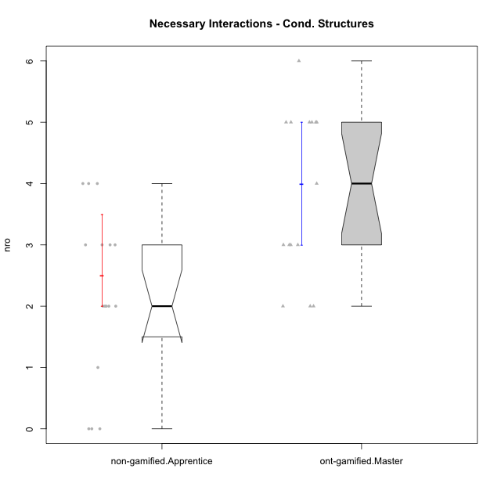

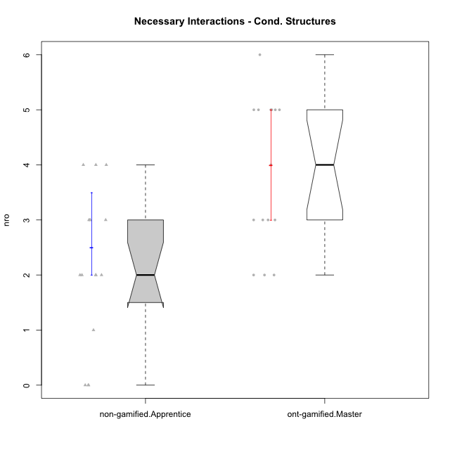

Wilcoxon data
UserID | NroUSP | Type | Group | CLRole | PlayerRole | ParticipationLevel | NroTotalInteractions | NroNecessaryInteractions | (1) Elaborar lista de exercícios | (2) Demonstrar a solução de um problema | (3) Enviar (ou reenviar) a solução do problema | (c) Aceitar a solução como boa | NroSolutionReviewed (Apprentice) | NroSolutionReviewed (Master) | NroSolutionWithoutReviewed (Apprentice) | NroSolutionWithoutReviewed (Master) | NroSolutionGoodReview | NroDesiredInteractions | (a) Expressar dúvidas em relação à demonstração | (b) Esclarecer as dúvidas | (d) Notificar os erros existentes na solução | (e) Apresentar dicas ou otra forma de ajuda | (f) Expressar dificuldade em resolver o problema | (g) Explicar como resolver o problema
10193 | 10276762 | ont-gamified | Grupo Afrodite | Master | Yee Achiever | complete | 7 | 5 | 1 | 1 | 0 | 3 | 0 | 4 | 0 | 0 | 0 | 2 | 0 | 0 | 1 | 0 | 0 | 1
10184 | 10276675 | ont-gamified | Grupo Apolo | Master | Yee Socializer | complete | 17 | 4 | 1 | 1 | 0 | 2 | 0 | 4 | 0 | 0 | 0 | 13 | 0 | 3 | 2 | 5 | 0 | 3
10218 | 9842913 | ont-gamified | Grupo Ares | Master | Yee Achiever | complete | 6 | 5 | 1 | 1 | 0 | 3 | 0 | 3 | 0 | 0 | 0 | 1 | 0 | 1 | 0 | 0 | 0 | 0
10232 | 10276974 | ont-gamified | Grupo Artemis | Master | Yee Achiever | complete | 7 | 6 | 1 | 1 | 0 | 4 | 0 | 3 | 0 | 0 | 0 | 1 | 0 | 1 | 0 | 0 | 0 | 0
10201 | 10276928 | ont-gamified | Grupo Caronte | Master | Yee Achiever | complete | 3 | 3 | 1 | 1 | 0 | 1 | 0 | 1 | 0 | 0 | 0 | 0 | 0 | 0 | 0 | 0 | 0 | 0
10223 | 9795185 | ont-gamified | Grupo Cronus | Master | Yee Achiever | complete | 6 | 5 | 1 | 1 | 0 | 3 | 0 | 3 | 0 | 0 | 0 | 1 | 0 | 0 | 0 | 1 | 0 | 0
10199 | 10276737 | ont-gamified | Grupo Gaia | Master | Yee Achiever | semicomplete | 3 | 2 | 1 | 1 | 0 | 0 | 0 | 1 | 0 | 3 | 0 | 1 | 0 | 0 | 1 | 0 | 0 | 0
10189 | 9363926 | ont-gamified | Grupo Hades | Master | Yee Socializer | complete | 7 | 5 | 1 | 1 | 0 | 3 | 0 | 3 | 0 | 0 | 0 | 2 | 0 | 1 | 0 | 1 | 0 | 0
10169 | 10377538 | ont-gamified | Grupo Hefesto | Master | Yee Achiever | semicomplete | 7 | 5 | 1 | 1 | 0 | 3 | 0 | 4 | 0 | 2 | 0 | 2 | 0 | 0 | 2 | 0 | 0 | 0
10175 | 10310700 | ont-gamified | Grupo Hélio | Master | Yee Socializer | semicomplete | 10 | 3 | 1 | 1 | 0 | 1 | 0 | 4 | 0 | 3 | 0 | 7 | 0 | 1 | 3 | 3 | 0 | 0
10206 | 10310721 | ont-gamified | Grupo Hera | Master | Yee Achiever | complete | 4 | 3 | 1 | 1 | 0 | 1 | 0 | 1 | 0 | 0 | 0 | 1 | 0 | 0 | 1 | 0 | 0 | 0
10204 | 10310471 | ont-gamified | Grupo Hermes | Master | Yee Achiever | complete | 5 | 3 | 1 | 1 | 0 | 1 | 0 | 2 | 0 | 0 | 0 | 2 | 0 | 0 | 1 | 1 | 0 | 0
10213 | 10277040 | ont-gamified | Grupo Morfeu | Master | Yee Socializer | complete | 5 | 2 | 1 | 1 | 0 | 0 | 0 | 1 | 0 | 0 | 0 | 3 | 0 | 0 | 3 | 0 | 0 | 0
10229 | 9292462 | non-gamified | Grupo Team 1 | Apprentice |  | none | 0 | 0 | 0 | 0 | 0 | 0 | 0 | 0 | 0 | 0 | 0 | 0 | 0 | 0 | 0 | 0 | 0 | 0
10224 | 9368772 | non-gamified | Grupo Team 10 | Apprentice |  | partial | 2 | 2 | 0 | 0 | 2 | 0 | 0 | 0 | 2 | 0 | 0 | 0 | 0 | 0 | 0 | 0 | 0 | 0
10202 | 10277036 | non-gamified | Grupo Team 11 | Apprentice |  | semicomplete | 2 | 2 | 0 | 0 | 2 | 0 | 2 | 0 | 0 | 0 | 1 | 0 | 0 | 0 | 0 | 0 | 0 | 0
10185 | 10276960 | non-gamified | Grupo Team 12 | Apprentice |  | semicomplete | 1 | 1 | 0 | 0 | 1 | 0 | 1 | 0 | 0 | 0 | 1 | 0 | 0 | 0 | 0 | 0 | 0 | 0
10238 | 10276953 | non-gamified | Grupo Team 13 | Apprentice |  | partial | 4 | 2 | 0 | 0 | 2 | 0 | 2 | 0 | 0 | 0 | 0 | 2 | 2 | 0 | 0 | 0 | 0 | 0
10228 | 10310492 | non-gamified | Grupo Team 14 | Apprentice |  | partial | 3 | 3 | 0 | 0 | 3 | 0 | 0 | 0 | 3 | 0 | 0 | 0 | 0 | 0 | 0 | 0 | 0 | 0
10187 | 9790781 | non-gamified | Grupo Team 15 | Apprentice |  | semicomplete | 3 | 3 | 0 | 0 | 3 | 0 | 3 | 0 | 0 | 0 | 1 | 0 | 0 | 0 | 0 | 0 | 0 | 0
10233 | 9805320 | non-gamified | Grupo Team 16 | Apprentice |  | none | 0 | 0 | 0 | 0 | 0 | 0 | 0 | 0 | 0 | 0 | 0 | 0 | 0 | 0 | 0 | 0 | 0 | 0
10220 | 9760151 | non-gamified | Grupo Team 2 | Apprentice |  | complete | 3 | 3 | 0 | 0 | 3 | 0 | 3 | 0 | 0 | 0 | 2 | 0 | 0 | 0 | 0 | 0 | 0 | 0
10203 | 9921470 | non-gamified | Grupo Team 3 | Apprentice |  | partial | 3 | 3 | 0 | 0 | 3 | 0 | 1 | 0 | 2 | 0 | 0 | 0 | 0 | 0 | 0 | 0 | 0 | 0
10227 | 9274382 | non-gamified | Grupo Team 4 | Apprentice |  | partial | 4 | 4 | 0 | 0 | 4 | 0 | 0 | 0 | 4 | 0 | 0 | 0 | 0 | 0 | 0 | 0 | 0 | 0
10192 | 10276682 | non-gamified | Grupo Team 5 | Apprentice |  | complete | 4 | 4 | 0 | 0 | 4 | 0 | 3 | 0 | 1 | 0 | 3 | 0 | 0 | 0 | 0 | 0 | 0 | 0
10171 | 698531 | non-gamified | Grupo Team 6 | Apprentice |  | complete | 3 | 2 | 0 | 0 | 2 | 0 | 2 | 0 | 0 | 0 | 2 | 1 | 1 | 0 | 0 | 0 | 0 | 0
10208 | 10276932 | non-gamified | Grupo Team 7 | Apprentice |  | partial | 3 | 2 | 0 | 0 | 2 | 0 | 0 | 0 | 2 | 0 | 0 | 1 | 1 | 0 | 0 | 0 | 0 | 0
10241 | 9885286 | non-gamified | Grupo Team 8 | Apprentice |  | none | 0 | 0 | 0 | 0 | 0 | 0 | 0 | 0 | 0 | 0 | 0 | 0 | 0 | 0 | 0 | 0 | 0 | 0
10210 | 10277015 | non-gamified | Grupo Team 9 | Apprentice |  | semicomplete | 4 | 4 | 0 | 0 | 4 | 0 | 3 | 0 | 1 | 0 | 1 | 0 | 0 | 0 | 0 | 0 | 0 | 0
10174 | 10276852 | ont-gamified | Grupo Urano | Master | Yee Achiever | complete | 9 | 5 | 1 | 1 | 0 | 3 | 0 | 4 | 0 | 0 | 0 | 4 | 0 | 0 | 1 | 3 | 0 | 0
10215 | 9285227 | ont-gamified | Grupo Zeus | Master | Yee Socializer | partial | 2 | 2 | 1 | 1 | 0 | 0 | 0 | 0 | 0 | 3 | 0 | 0 | 0 | 0 | 0 | 0 | 0 | 0

Type_CLRole_4
Wilcoxon Analysis for Necessary Interactions - Cond. Structures in Type:CLRole between non-gamified.Master:ont-gamified.Apprentice

Wilcoxon test results
Alternative hypothesis: less
Group | N | Median | Mean.Ranks | Sum.Ranks | U | Z | p.value | r | magnitude
non-gamified.Master | 16 | 2.5 | 14.75 | 236 | 100 | -0.81562004114 | 0.21576026129 | 0.14648968383 | small
ont-gamified.Apprentice | 15 | 3 | 17.333333333 | 260 | 100 | -0.81562004114 | 0.21576026129 | 0.14648968383 | small
Alternative hypothesis: greater
Group | N | Median | Mean.Ranks | Sum.Ranks | U | Z | p.value | r | magnitude
non-gamified.Master | 16 | 2.5 | 14.75 | 236 | 100 | -0.81562004114 | 0.79198469276 | 0.14648968383 | small
ont-gamified.Apprentice | 15 | 3 | 17.333333333 | 260 | 100 | -0.81562004114 | 0.79198469276 | 0.14648968383 | small
Alternative hypothesis: two.sided
Group | N | Median | Mean.Ranks | Sum.Ranks | U | Z | p.value | r | magnitude
non-gamified.Master | 16 | 2.5 | 14.75 | 236 | 100 | -0.81562004114 | 0.43035300486 | 0.14648968383 | small
ont-gamified.Apprentice | 15 | 3 | 17.333333333 | 260 | 100 | -0.81562004114 | 0.43035300486 | 0.14648968383 | small

Box plots for wilcoxon tests
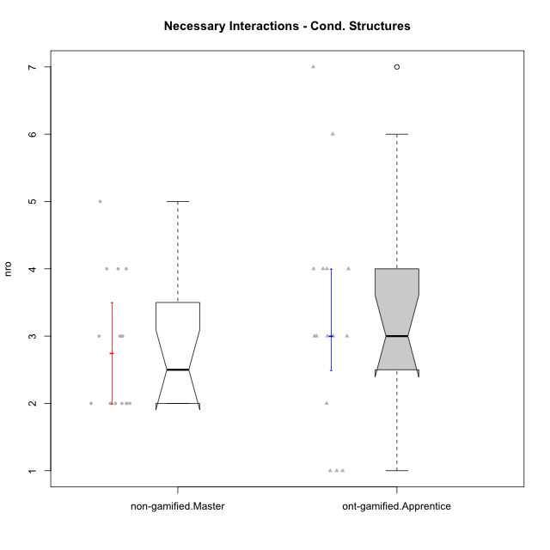

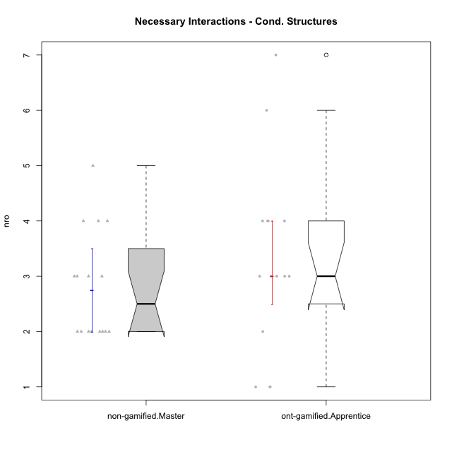

Wilcoxon data
UserID | NroUSP | Type | Group | CLRole | PlayerRole | ParticipationLevel | NroTotalInteractions | NroNecessaryInteractions | (1) Elaborar lista de exercícios | (2) Demonstrar a solução de um problema | (3) Enviar (ou reenviar) a solução do problema | (c) Aceitar a solução como boa | NroSolutionReviewed (Apprentice) | NroSolutionReviewed (Master) | NroSolutionWithoutReviewed (Apprentice) | NroSolutionWithoutReviewed (Master) | NroSolutionGoodReview | NroDesiredInteractions | (a) Expressar dúvidas em relação à demonstração | (b) Esclarecer as dúvidas | (d) Notificar os erros existentes na solução | (e) Apresentar dicas ou otra forma de ajuda | (f) Expressar dificuldade em resolver o problema | (g) Explicar como resolver o problema
10170 | 10260351 | ont-gamified | Grupo Afrodite | Apprentice | Yee Achiever | complete | 5 | 4 | 0 | 0 | 4 | 0 | 4 | 0 | 0 | 0 | 3 | 1 | 0 | 0 | 0 | 0 | 1 | 0
10198 | 10310888 | ont-gamified | Grupo Apolo | Apprentice | Yee Socializer | complete | 8 | 4 | 0 | 0 | 4 | 0 | 4 | 0 | 0 | 0 | 2 | 4 | 3 | 0 | 0 | 0 | 1 | 0
10186 | 10310551 | ont-gamified | Grupo Ares | Apprentice | Yee Achiever | complete | 4 | 3 | 0 | 0 | 3 | 0 | 3 | 0 | 0 | 0 | 3 | 1 | 1 | 0 | 0 | 0 | 0 | 0
10209 | 10262669 | ont-gamified | Grupo Artemis | Apprentice | Yee Achiever | complete | 4 | 3 | 0 | 0 | 3 | 0 | 3 | 0 | 0 | 0 | 3 | 1 | 1 | 0 | 0 | 0 | 0 | 0
10231 | 10276911 | ont-gamified | Grupo Caronte | Apprentice | Yee Achiever | semicomplete | 1 | 1 | 0 | 0 | 1 | 0 | 1 | 0 | 0 | 0 | 1 | 0 | 0 | 0 | 0 | 0 | 0 | 0
10176 | 10276949 | ont-gamified | Grupo Cronus | Apprentice | Yee Achiever | complete | 3 | 3 | 0 | 0 | 3 | 0 | 3 | 0 | 0 | 0 | 3 | 0 | 0 | 0 | 0 | 0 | 0 | 0
10197 | 10276661 | ont-gamified | Grupo Gaia | Apprentice | Yee Achiever | partial | 5 | 4 | 0 | 0 | 4 | 0 | 1 | 0 | 3 | 0 | 0 | 1 | 1 | 0 | 0 | 0 | 0 | 0
10200 | 9795272 | ont-gamified | Grupo Hades | Apprentice | Yee Socializer | complete | 4 | 3 | 0 | 0 | 3 | 0 | 3 | 0 | 0 | 0 | 3 | 1 | 1 | 0 | 0 | 0 | 0 | 0
10196 | 10310655 | ont-gamified | Grupo Hefesto | Apprentice | Yee Achiever | complete | 7 | 6 | 0 | 0 | 6 | 0 | 4 | 0 | 2 | 0 | 2 | 1 | 1 | 0 | 0 | 0 | 0 | 0
10183 | 10352030 | ont-gamified | Grupo Hélio | Apprentice | Yee Socializer | semicomplete | 8 | 7 | 0 | 0 | 7 | 0 | 4 | 0 | 3 | 0 | 1 | 1 | 1 | 0 | 0 | 0 | 0 | 0
10240 | 10276654 | ont-gamified | Grupo Hera | Apprentice | Yee Achiever | semicomplete | 1 | 1 | 0 | 0 | 1 | 0 | 1 | 0 | 0 | 0 | 1 | 0 | 0 | 0 | 0 | 0 | 0 | 0
10221 | 9082496 | ont-gamified | Grupo Hermes | Apprentice | Yee Achiever | semicomplete | 2 | 2 | 0 | 0 | 2 | 0 | 2 | 0 | 0 | 0 | 1 | 0 | 0 | 0 | 0 | 0 | 0 | 0
10178 | 8656201 | ont-gamified | Grupo Morfeu | Apprentice | Yee Socializer | partial | 1 | 1 | 0 | 0 | 1 | 0 | 1 | 0 | 0 | 0 | 0 | 0 | 0 | 0 | 0 | 0 | 0 | 0
10172 | 10273971 | non-gamified | Grupo Team 1 | Master |  | partial | 2 | 2 | 1 | 1 | 0 | 0 | 0 | 0 | 0 | 0 | 0 | 0 | 0 | 0 | 0 | 0 | 0 | 0
10181 | 10276866 | non-gamified | Grupo Team 10 | Master |  | partial | 2 | 2 | 1 | 1 | 0 | 0 | 0 | 0 | 0 | 2 | 0 | 0 | 0 | 0 | 0 | 0 | 0 | 0
10237 | 10377688 | non-gamified | Grupo Team 11 | Master |  | complete | 5 | 3 | 1 | 1 | 0 | 1 | 0 | 2 | 0 | 0 | 0 | 2 | 0 | 0 | 1 | 1 | 0 | 0
10219 | 10276831 | non-gamified | Grupo Team 12 | Master |  | complete | 3 | 3 | 1 | 1 | 0 | 1 | 0 | 1 | 0 | 0 | 0 | 0 | 0 | 0 | 0 | 0 | 0 | 0
10217 | 9805341 | non-gamified | Grupo Team 13 | Master |  | complete | 9 | 2 | 1 | 1 | 0 | 0 | 0 | 2 | 0 | 0 | 0 | 7 | 0 | 3 | 3 | 1 | 0 | 0
10230 | 10351992 | non-gamified | Grupo Team 14 | Master |  | partial | 4 | 4 | 2 | 2 | 0 | 0 | 0 | 0 | 0 | 3 | 0 | 0 | 0 | 0 | 0 | 0 | 0 | 0
10216 | 10276720 | non-gamified | Grupo Team 15 | Master |  | complete | 5 | 3 | 1 | 1 | 0 | 1 | 0 | 3 | 0 | 0 | 0 | 2 | 0 | 0 | 2 | 0 | 0 | 0
10222 | 9436110 | non-gamified | Grupo Team 16 | Master |  | partial | 2 | 2 | 1 | 1 | 0 | 0 | 0 | 0 | 0 | 0 | 0 | 0 | 0 | 0 | 0 | 0 | 0 | 0
10211 | 9311643 | non-gamified | Grupo Team 2 | Master |  | complete | 5 | 4 | 1 | 1 | 0 | 2 | 0 | 3 | 0 | 0 | 0 | 1 | 0 | 0 | 0 | 1 | 0 | 0
10188 | 10276995 | non-gamified | Grupo Team 3 | Master |  | semicomplete | 3 | 2 | 1 | 1 | 0 | 0 | 0 | 1 | 0 | 2 | 0 | 1 | 0 | 0 | 1 | 0 | 0 | 0
10212 | 9065750 | non-gamified | Grupo Team 4 | Master |  | partial | 2 | 2 | 1 | 1 | 0 | 0 | 0 | 0 | 0 | 4 | 0 | 0 | 0 | 0 | 0 | 0 | 0 | 0
10214 | 10277022 | non-gamified | Grupo Team 5 | Master |  | semicomplete | 5 | 5 | 1 | 1 | 0 | 3 | 0 | 3 | 0 | 1 | 0 | 0 | 0 | 0 | 0 | 0 | 0 | 0
10191 | 10276981 | non-gamified | Grupo Team 6 | Master |  | complete | 6 | 4 | 1 | 1 | 0 | 2 | 0 | 2 | 0 | 0 | 0 | 2 | 0 | 1 | 0 | 1 | 0 | 0
10234 | 10310676 | non-gamified | Grupo Team 7 | Master |  | partial | 2 | 2 | 1 | 1 | 0 | 0 | 0 | 0 | 0 | 2 | 0 | 0 | 0 | 0 | 0 | 0 | 0 | 0
10226 | 10310342 | non-gamified | Grupo Team 8 | Master |  | partial | 2 | 2 | 1 | 1 | 0 | 0 | 0 | 0 | 0 | 0 | 0 | 0 | 0 | 0 | 0 | 0 | 0 | 0
10179 | 10310759 | non-gamified | Grupo Team 9 | Master |  | semicomplete | 5 | 3 | 1 | 1 | 0 | 1 | 0 | 3 | 0 | 1 | 0 | 2 | 0 | 0 | 2 | 0 | 0 | 0
10195 | 10351971 | ont-gamified | Grupo Urano | Apprentice | Yee Achiever | complete | 4 | 4 | 0 | 0 | 4 | 0 | 4 | 0 | 0 | 0 | 3 | 0 | 0 | 0 | 0 | 0 | 0 | 0
10190 | 10276907 | ont-gamified | Grupo Zeus | Apprentice | Yee Socializer | partial | 3 | 3 | 0 | 0 | 3 | 0 | 0 | 0 | 3 | 0 | 0 | 0 | 0 | 0 | 0 | 0 | 0 | 0

Type_CLRole_5
Wilcoxon Analysis for Necessary Interactions - Cond. Structures in Type:CLRole between non-gamified.Master:ont-gamified.Master

Wilcoxon test results
Alternative hypothesis: less
Group | N | Median | Mean.Ranks | Sum.Ranks | U | Z | p.value | r | magnitude
non-gamified.Master | 16 | 2.5 | 12.59375 | 201.5 | 65.5 | -2.2394481453 | 0.013717682588 | 0.40221676052 | medium
ont-gamified.Master | 15 | 4 | 19.633333333 | 294.5 | 65.5 | -2.2394481453 | 0.013717682588 | 0.40221676052 | medium
Alternative hypothesis: greater
Group | N | Median | Mean.Ranks | Sum.Ranks | U | Z | p.value | r | magnitude
non-gamified.Master | 16 | 2.5 | 12.59375 | 201.5 | 65.5 | -2.2394481453 | 0.98778880476 | 0.40221676052 | medium
ont-gamified.Master | 15 | 4 | 19.633333333 | 294.5 | 65.5 | -2.2394481453 | 0.98778880476 | 0.40221676052 | medium
Alternative hypothesis: two.sided
Group | N | Median | Mean.Ranks | Sum.Ranks | U | Z | p.value | r | magnitude
non-gamified.Master | 16 | 2.5 | 12.59375 | 201.5 | 65.5 | -2.2394481453 | 0.02720654387 | 0.40221676052 | medium
ont-gamified.Master | 15 | 4 | 19.633333333 | 294.5 | 65.5 | -2.2394481453 | 0.02720654387 | 0.40221676052 | medium

Box plots for wilcoxon tests
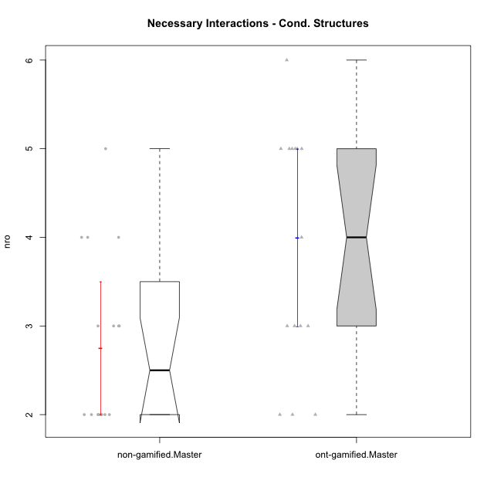

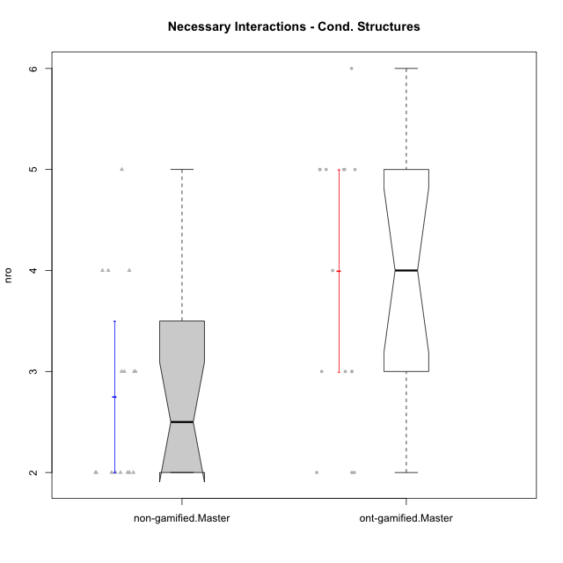

Wilcoxon data
UserID | NroUSP | Type | Group | CLRole | PlayerRole | ParticipationLevel | NroTotalInteractions | NroNecessaryInteractions | (1) Elaborar lista de exercícios | (2) Demonstrar a solução de um problema | (3) Enviar (ou reenviar) a solução do problema | (c) Aceitar a solução como boa | NroSolutionReviewed (Apprentice) | NroSolutionReviewed (Master) | NroSolutionWithoutReviewed (Apprentice) | NroSolutionWithoutReviewed (Master) | NroSolutionGoodReview | NroDesiredInteractions | (a) Expressar dúvidas em relação à demonstração | (b) Esclarecer as dúvidas | (d) Notificar os erros existentes na solução | (e) Apresentar dicas ou otra forma de ajuda | (f) Expressar dificuldade em resolver o problema | (g) Explicar como resolver o problema
10193 | 10276762 | ont-gamified | Grupo Afrodite | Master | Yee Achiever | complete | 7 | 5 | 1 | 1 | 0 | 3 | 0 | 4 | 0 | 0 | 0 | 2 | 0 | 0 | 1 | 0 | 0 | 1
10184 | 10276675 | ont-gamified | Grupo Apolo | Master | Yee Socializer | complete | 17 | 4 | 1 | 1 | 0 | 2 | 0 | 4 | 0 | 0 | 0 | 13 | 0 | 3 | 2 | 5 | 0 | 3
10218 | 9842913 | ont-gamified | Grupo Ares | Master | Yee Achiever | complete | 6 | 5 | 1 | 1 | 0 | 3 | 0 | 3 | 0 | 0 | 0 | 1 | 0 | 1 | 0 | 0 | 0 | 0
10232 | 10276974 | ont-gamified | Grupo Artemis | Master | Yee Achiever | complete | 7 | 6 | 1 | 1 | 0 | 4 | 0 | 3 | 0 | 0 | 0 | 1 | 0 | 1 | 0 | 0 | 0 | 0
10201 | 10276928 | ont-gamified | Grupo Caronte | Master | Yee Achiever | complete | 3 | 3 | 1 | 1 | 0 | 1 | 0 | 1 | 0 | 0 | 0 | 0 | 0 | 0 | 0 | 0 | 0 | 0
10223 | 9795185 | ont-gamified | Grupo Cronus | Master | Yee Achiever | complete | 6 | 5 | 1 | 1 | 0 | 3 | 0 | 3 | 0 | 0 | 0 | 1 | 0 | 0 | 0 | 1 | 0 | 0
10199 | 10276737 | ont-gamified | Grupo Gaia | Master | Yee Achiever | semicomplete | 3 | 2 | 1 | 1 | 0 | 0 | 0 | 1 | 0 | 3 | 0 | 1 | 0 | 0 | 1 | 0 | 0 | 0
10189 | 9363926 | ont-gamified | Grupo Hades | Master | Yee Socializer | complete | 7 | 5 | 1 | 1 | 0 | 3 | 0 | 3 | 0 | 0 | 0 | 2 | 0 | 1 | 0 | 1 | 0 | 0
10169 | 10377538 | ont-gamified | Grupo Hefesto | Master | Yee Achiever | semicomplete | 7 | 5 | 1 | 1 | 0 | 3 | 0 | 4 | 0 | 2 | 0 | 2 | 0 | 0 | 2 | 0 | 0 | 0
10175 | 10310700 | ont-gamified | Grupo Hélio | Master | Yee Socializer | semicomplete | 10 | 3 | 1 | 1 | 0 | 1 | 0 | 4 | 0 | 3 | 0 | 7 | 0 | 1 | 3 | 3 | 0 | 0
10206 | 10310721 | ont-gamified | Grupo Hera | Master | Yee Achiever | complete | 4 | 3 | 1 | 1 | 0 | 1 | 0 | 1 | 0 | 0 | 0 | 1 | 0 | 0 | 1 | 0 | 0 | 0
10204 | 10310471 | ont-gamified | Grupo Hermes | Master | Yee Achiever | complete | 5 | 3 | 1 | 1 | 0 | 1 | 0 | 2 | 0 | 0 | 0 | 2 | 0 | 0 | 1 | 1 | 0 | 0
10213 | 10277040 | ont-gamified | Grupo Morfeu | Master | Yee Socializer | complete | 5 | 2 | 1 | 1 | 0 | 0 | 0 | 1 | 0 | 0 | 0 | 3 | 0 | 0 | 3 | 0 | 0 | 0
10172 | 10273971 | non-gamified | Grupo Team 1 | Master |  | partial | 2 | 2 | 1 | 1 | 0 | 0 | 0 | 0 | 0 | 0 | 0 | 0 | 0 | 0 | 0 | 0 | 0 | 0
10181 | 10276866 | non-gamified | Grupo Team 10 | Master |  | partial | 2 | 2 | 1 | 1 | 0 | 0 | 0 | 0 | 0 | 2 | 0 | 0 | 0 | 0 | 0 | 0 | 0 | 0
10237 | 10377688 | non-gamified | Grupo Team 11 | Master |  | complete | 5 | 3 | 1 | 1 | 0 | 1 | 0 | 2 | 0 | 0 | 0 | 2 | 0 | 0 | 1 | 1 | 0 | 0
10219 | 10276831 | non-gamified | Grupo Team 12 | Master |  | complete | 3 | 3 | 1 | 1 | 0 | 1 | 0 | 1 | 0 | 0 | 0 | 0 | 0 | 0 | 0 | 0 | 0 | 0
10217 | 9805341 | non-gamified | Grupo Team 13 | Master |  | complete | 9 | 2 | 1 | 1 | 0 | 0 | 0 | 2 | 0 | 0 | 0 | 7 | 0 | 3 | 3 | 1 | 0 | 0
10230 | 10351992 | non-gamified | Grupo Team 14 | Master |  | partial | 4 | 4 | 2 | 2 | 0 | 0 | 0 | 0 | 0 | 3 | 0 | 0 | 0 | 0 | 0 | 0 | 0 | 0
10216 | 10276720 | non-gamified | Grupo Team 15 | Master |  | complete | 5 | 3 | 1 | 1 | 0 | 1 | 0 | 3 | 0 | 0 | 0 | 2 | 0 | 0 | 2 | 0 | 0 | 0
10222 | 9436110 | non-gamified | Grupo Team 16 | Master |  | partial | 2 | 2 | 1 | 1 | 0 | 0 | 0 | 0 | 0 | 0 | 0 | 0 | 0 | 0 | 0 | 0 | 0 | 0
10211 | 9311643 | non-gamified | Grupo Team 2 | Master |  | complete | 5 | 4 | 1 | 1 | 0 | 2 | 0 | 3 | 0 | 0 | 0 | 1 | 0 | 0 | 0 | 1 | 0 | 0
10188 | 10276995 | non-gamified | Grupo Team 3 | Master |  | semicomplete | 3 | 2 | 1 | 1 | 0 | 0 | 0 | 1 | 0 | 2 | 0 | 1 | 0 | 0 | 1 | 0 | 0 | 0
10212 | 9065750 | non-gamified | Grupo Team 4 | Master |  | partial | 2 | 2 | 1 | 1 | 0 | 0 | 0 | 0 | 0 | 4 | 0 | 0 | 0 | 0 | 0 | 0 | 0 | 0
10214 | 10277022 | non-gamified | Grupo Team 5 | Master |  | semicomplete | 5 | 5 | 1 | 1 | 0 | 3 | 0 | 3 | 0 | 1 | 0 | 0 | 0 | 0 | 0 | 0 | 0 | 0
10191 | 10276981 | non-gamified | Grupo Team 6 | Master |  | complete | 6 | 4 | 1 | 1 | 0 | 2 | 0 | 2 | 0 | 0 | 0 | 2 | 0 | 1 | 0 | 1 | 0 | 0
10234 | 10310676 | non-gamified | Grupo Team 7 | Master |  | partial | 2 | 2 | 1 | 1 | 0 | 0 | 0 | 0 | 0 | 2 | 0 | 0 | 0 | 0 | 0 | 0 | 0 | 0
10226 | 10310342 | non-gamified | Grupo Team 8 | Master |  | partial | 2 | 2 | 1 | 1 | 0 | 0 | 0 | 0 | 0 | 0 | 0 | 0 | 0 | 0 | 0 | 0 | 0 | 0
10179 | 10310759 | non-gamified | Grupo Team 9 | Master |  | semicomplete | 5 | 3 | 1 | 1 | 0 | 1 | 0 | 3 | 0 | 1 | 0 | 2 | 0 | 0 | 2 | 0 | 0 | 0
10174 | 10276852 | ont-gamified | Grupo Urano | Master | Yee Achiever | complete | 9 | 5 | 1 | 1 | 0 | 3 | 0 | 4 | 0 | 0 | 0 | 4 | 0 | 0 | 1 | 3 | 0 | 0
10215 | 9285227 | ont-gamified | Grupo Zeus | Master | Yee Socializer | partial | 2 | 2 | 1 | 1 | 0 | 0 | 0 | 0 | 0 | 3 | 0 | 0 | 0 | 0 | 0 | 0 | 0 | 0

Type_CLRole_6
Wilcoxon Analysis for Necessary Interactions - Cond. Structures in Type:CLRole between ont-gamified.Apprentice:ont-gamified.Master

Wilcoxon test results
Alternative hypothesis: less
Group | N | Median | Mean.Ranks | Sum.Ranks | U | Z | p.value | r | magnitude
ont-gamified.Apprentice | 15 | 3 | 13.733333333 | 206 | 86 | -1.1231626714 | 0.13605845426 | 0.20506051029 | small
ont-gamified.Master | 15 | 4 | 17.266666667 | 259 | 86 | -1.1231626714 | 0.13605845426 | 0.20506051029 | small
Alternative hypothesis: greater
Group | N | Median | Mean.Ranks | Sum.Ranks | U | Z | p.value | r | magnitude
ont-gamified.Apprentice | 15 | 3 | 13.733333333 | 206 | 86 | -1.1231626714 | 0.86842434046 | 0.20506051029 | small
ont-gamified.Master | 15 | 4 | 17.266666667 | 259 | 86 | -1.1231626714 | 0.86842434046 | 0.20506051029 | small
Alternative hypothesis: two.sided
Group | N | Median | Mean.Ranks | Sum.Ranks | U | Z | p.value | r | magnitude
ont-gamified.Apprentice | 15 | 3 | 13.733333333 | 206 | 86 | -1.1231626714 | 0.27211690852 | 0.20506051029 | small
ont-gamified.Master | 15 | 4 | 17.266666667 | 259 | 86 | -1.1231626714 | 0.27211690852 | 0.20506051029 | small

Box plots for wilcoxon tests
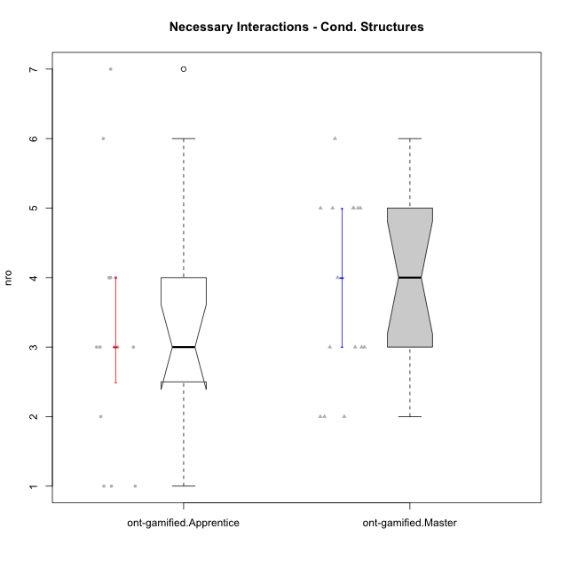

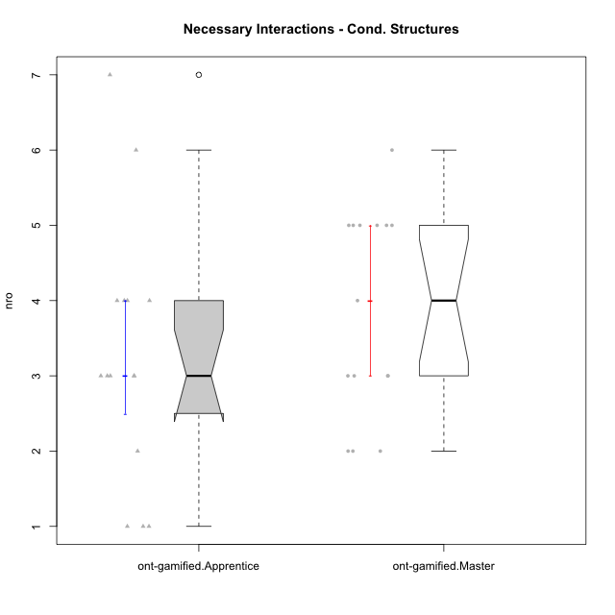

Wilcoxon data
UserID | NroUSP | Type | Group | CLRole | PlayerRole | ParticipationLevel | NroTotalInteractions | NroNecessaryInteractions | (1) Elaborar lista de exercícios | (2) Demonstrar a solução de um problema | (3) Enviar (ou reenviar) a solução do problema | (c) Aceitar a solução como boa | NroSolutionReviewed (Apprentice) | NroSolutionReviewed (Master) | NroSolutionWithoutReviewed (Apprentice) | NroSolutionWithoutReviewed (Master) | NroSolutionGoodReview | NroDesiredInteractions | (a) Expressar dúvidas em relação à demonstração | (b) Esclarecer as dúvidas | (d) Notificar os erros existentes na solução | (e) Apresentar dicas ou otra forma de ajuda | (f) Expressar dificuldade em resolver o problema | (g) Explicar como resolver o problema
10193 | 10276762 | ont-gamified | Grupo Afrodite | Master | Yee Achiever | complete | 7 | 5 | 1 | 1 | 0 | 3 | 0 | 4 | 0 | 0 | 0 | 2 | 0 | 0 | 1 | 0 | 0 | 1
10170 | 10260351 | ont-gamified | Grupo Afrodite | Apprentice | Yee Achiever | complete | 5 | 4 | 0 | 0 | 4 | 0 | 4 | 0 | 0 | 0 | 3 | 1 | 0 | 0 | 0 | 0 | 1 | 0
10198 | 10310888 | ont-gamified | Grupo Apolo | Apprentice | Yee Socializer | complete | 8 | 4 | 0 | 0 | 4 | 0 | 4 | 0 | 0 | 0 | 2 | 4 | 3 | 0 | 0 | 0 | 1 | 0
10184 | 10276675 | ont-gamified | Grupo Apolo | Master | Yee Socializer | complete | 17 | 4 | 1 | 1 | 0 | 2 | 0 | 4 | 0 | 0 | 0 | 13 | 0 | 3 | 2 | 5 | 0 | 3
10186 | 10310551 | ont-gamified | Grupo Ares | Apprentice | Yee Achiever | complete | 4 | 3 | 0 | 0 | 3 | 0 | 3 | 0 | 0 | 0 | 3 | 1 | 1 | 0 | 0 | 0 | 0 | 0
10218 | 9842913 | ont-gamified | Grupo Ares | Master | Yee Achiever | complete | 6 | 5 | 1 | 1 | 0 | 3 | 0 | 3 | 0 | 0 | 0 | 1 | 0 | 1 | 0 | 0 | 0 | 0
10209 | 10262669 | ont-gamified | Grupo Artemis | Apprentice | Yee Achiever | complete | 4 | 3 | 0 | 0 | 3 | 0 | 3 | 0 | 0 | 0 | 3 | 1 | 1 | 0 | 0 | 0 | 0 | 0
10232 | 10276974 | ont-gamified | Grupo Artemis | Master | Yee Achiever | complete | 7 | 6 | 1 | 1 | 0 | 4 | 0 | 3 | 0 | 0 | 0 | 1 | 0 | 1 | 0 | 0 | 0 | 0
10231 | 10276911 | ont-gamified | Grupo Caronte | Apprentice | Yee Achiever | semicomplete | 1 | 1 | 0 | 0 | 1 | 0 | 1 | 0 | 0 | 0 | 1 | 0 | 0 | 0 | 0 | 0 | 0 | 0
10201 | 10276928 | ont-gamified | Grupo Caronte | Master | Yee Achiever | complete | 3 | 3 | 1 | 1 | 0 | 1 | 0 | 1 | 0 | 0 | 0 | 0 | 0 | 0 | 0 | 0 | 0 | 0
10176 | 10276949 | ont-gamified | Grupo Cronus | Apprentice | Yee Achiever | complete | 3 | 3 | 0 | 0 | 3 | 0 | 3 | 0 | 0 | 0 | 3 | 0 | 0 | 0 | 0 | 0 | 0 | 0
10223 | 9795185 | ont-gamified | Grupo Cronus | Master | Yee Achiever | complete | 6 | 5 | 1 | 1 | 0 | 3 | 0 | 3 | 0 | 0 | 0 | 1 | 0 | 0 | 0 | 1 | 0 | 0
10199 | 10276737 | ont-gamified | Grupo Gaia | Master | Yee Achiever | semicomplete | 3 | 2 | 1 | 1 | 0 | 0 | 0 | 1 | 0 | 3 | 0 | 1 | 0 | 0 | 1 | 0 | 0 | 0
10197 | 10276661 | ont-gamified | Grupo Gaia | Apprentice | Yee Achiever | partial | 5 | 4 | 0 | 0 | 4 | 0 | 1 | 0 | 3 | 0 | 0 | 1 | 1 | 0 | 0 | 0 | 0 | 0
10200 | 9795272 | ont-gamified | Grupo Hades | Apprentice | Yee Socializer | complete | 4 | 3 | 0 | 0 | 3 | 0 | 3 | 0 | 0 | 0 | 3 | 1 | 1 | 0 | 0 | 0 | 0 | 0
10189 | 9363926 | ont-gamified | Grupo Hades | Master | Yee Socializer | complete | 7 | 5 | 1 | 1 | 0 | 3 | 0 | 3 | 0 | 0 | 0 | 2 | 0 | 1 | 0 | 1 | 0 | 0
10169 | 10377538 | ont-gamified | Grupo Hefesto | Master | Yee Achiever | semicomplete | 7 | 5 | 1 | 1 | 0 | 3 | 0 | 4 | 0 | 2 | 0 | 2 | 0 | 0 | 2 | 0 | 0 | 0
10196 | 10310655 | ont-gamified | Grupo Hefesto | Apprentice | Yee Achiever | complete | 7 | 6 | 0 | 0 | 6 | 0 | 4 | 0 | 2 | 0 | 2 | 1 | 1 | 0 | 0 | 0 | 0 | 0
10175 | 10310700 | ont-gamified | Grupo Hélio | Master | Yee Socializer | semicomplete | 10 | 3 | 1 | 1 | 0 | 1 | 0 | 4 | 0 | 3 | 0 | 7 | 0 | 1 | 3 | 3 | 0 | 0
10183 | 10352030 | ont-gamified | Grupo Hélio | Apprentice | Yee Socializer | semicomplete | 8 | 7 | 0 | 0 | 7 | 0 | 4 | 0 | 3 | 0 | 1 | 1 | 1 | 0 | 0 | 0 | 0 | 0
10206 | 10310721 | ont-gamified | Grupo Hera | Master | Yee Achiever | complete | 4 | 3 | 1 | 1 | 0 | 1 | 0 | 1 | 0 | 0 | 0 | 1 | 0 | 0 | 1 | 0 | 0 | 0
10240 | 10276654 | ont-gamified | Grupo Hera | Apprentice | Yee Achiever | semicomplete | 1 | 1 | 0 | 0 | 1 | 0 | 1 | 0 | 0 | 0 | 1 | 0 | 0 | 0 | 0 | 0 | 0 | 0
10221 | 9082496 | ont-gamified | Grupo Hermes | Apprentice | Yee Achiever | semicomplete | 2 | 2 | 0 | 0 | 2 | 0 | 2 | 0 | 0 | 0 | 1 | 0 | 0 | 0 | 0 | 0 | 0 | 0
10204 | 10310471 | ont-gamified | Grupo Hermes | Master | Yee Achiever | complete | 5 | 3 | 1 | 1 | 0 | 1 | 0 | 2 | 0 | 0 | 0 | 2 | 0 | 0 | 1 | 1 | 0 | 0
10213 | 10277040 | ont-gamified | Grupo Morfeu | Master | Yee Socializer | complete | 5 | 2 | 1 | 1 | 0 | 0 | 0 | 1 | 0 | 0 | 0 | 3 | 0 | 0 | 3 | 0 | 0 | 0
10178 | 8656201 | ont-gamified | Grupo Morfeu | Apprentice | Yee Socializer | partial | 1 | 1 | 0 | 0 | 1 | 0 | 1 | 0 | 0 | 0 | 0 | 0 | 0 | 0 | 0 | 0 | 0 | 0
10174 | 10276852 | ont-gamified | Grupo Urano | Master | Yee Achiever | complete | 9 | 5 | 1 | 1 | 0 | 3 | 0 | 4 | 0 | 0 | 0 | 4 | 0 | 0 | 1 | 3 | 0 | 0
10195 | 10351971 | ont-gamified | Grupo Urano | Apprentice | Yee Achiever | complete | 4 | 4 | 0 | 0 | 4 | 0 | 4 | 0 | 0 | 0 | 3 | 0 | 0 | 0 | 0 | 0 | 0 | 0
10215 | 9285227 | ont-gamified | Grupo Zeus | Master | Yee Socializer | partial | 2 | 2 | 1 | 1 | 0 | 0 | 0 | 0 | 0 | 3 | 0 | 0 | 0 | 0 | 0 | 0 | 0 | 0
10190 | 10276907 | ont-gamified | Grupo Zeus | Apprentice | Yee Socializer | partial | 3 | 3 | 0 | 0 | 3 | 0 | 0 | 0 | 3 | 0 | 0 | 0 | 0 | 0 | 0 | 0 | 0 | 0

