global-Estimate-Items
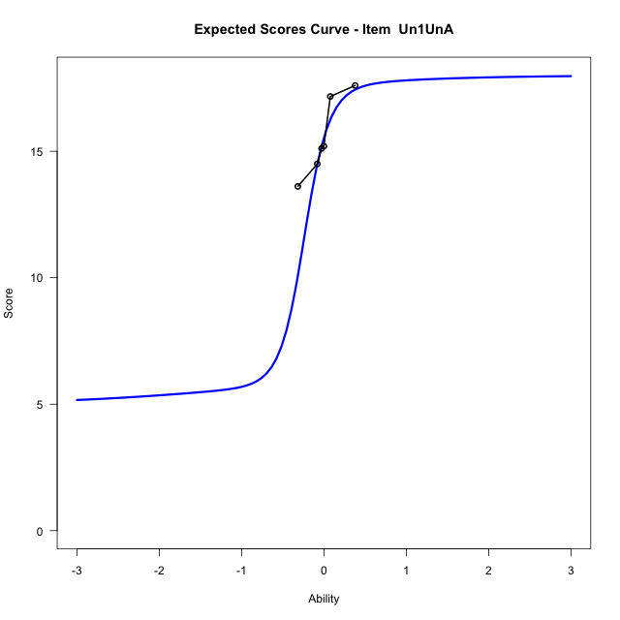
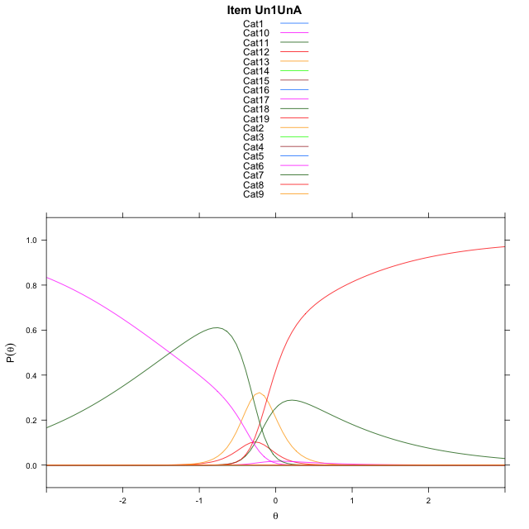
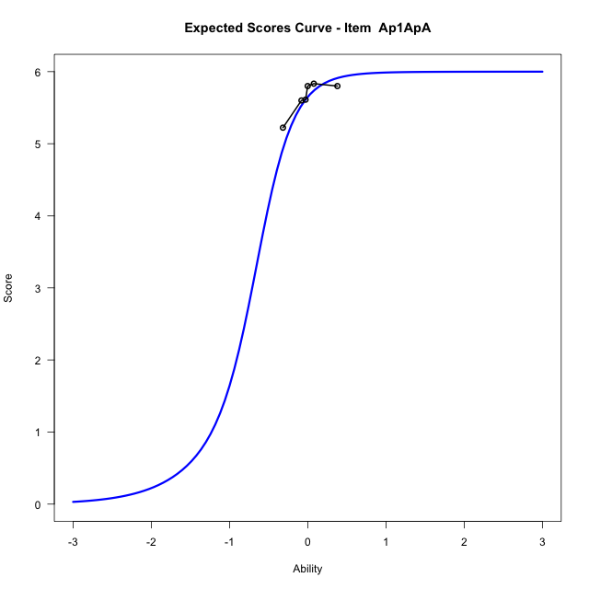
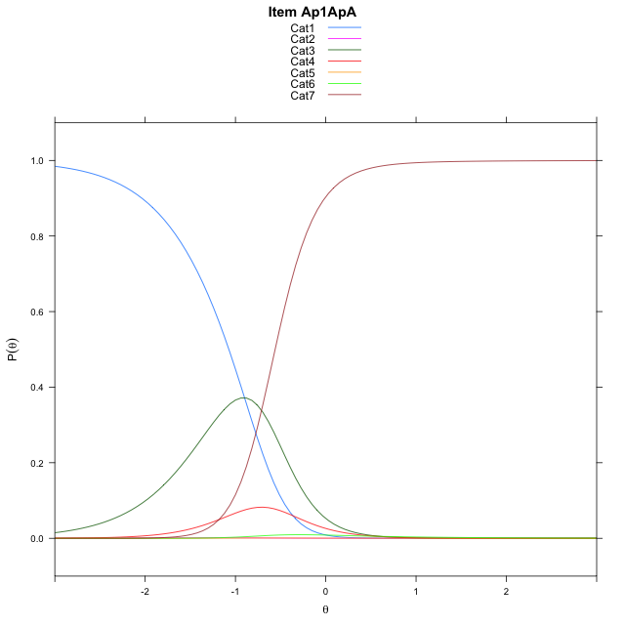
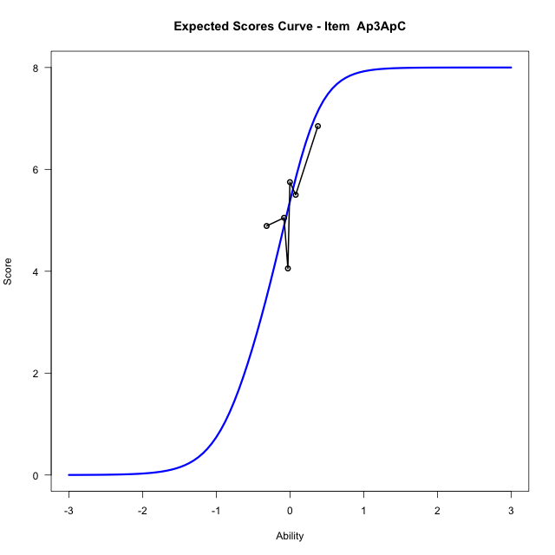
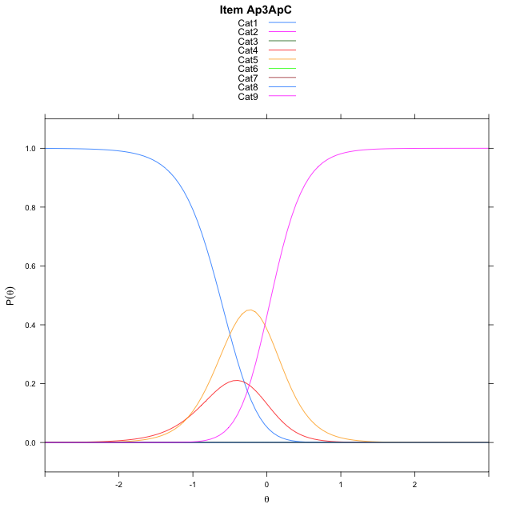
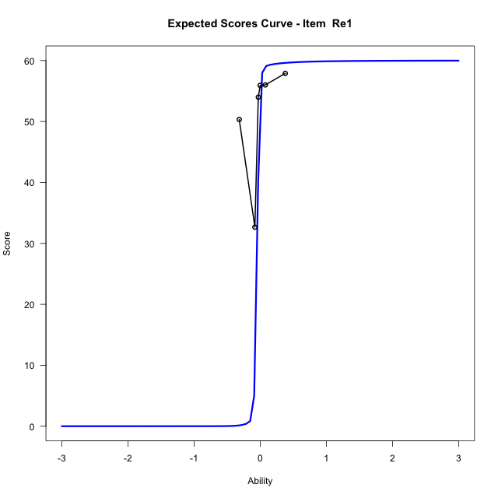
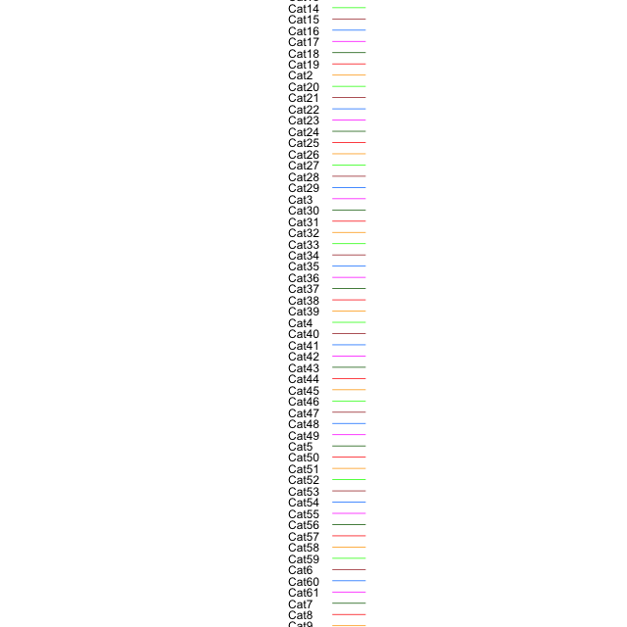
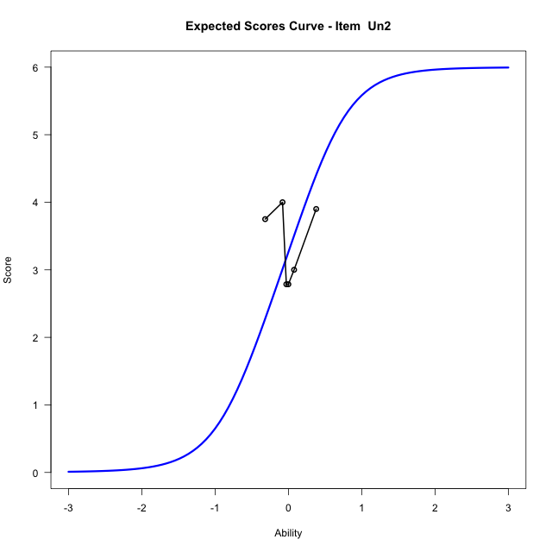
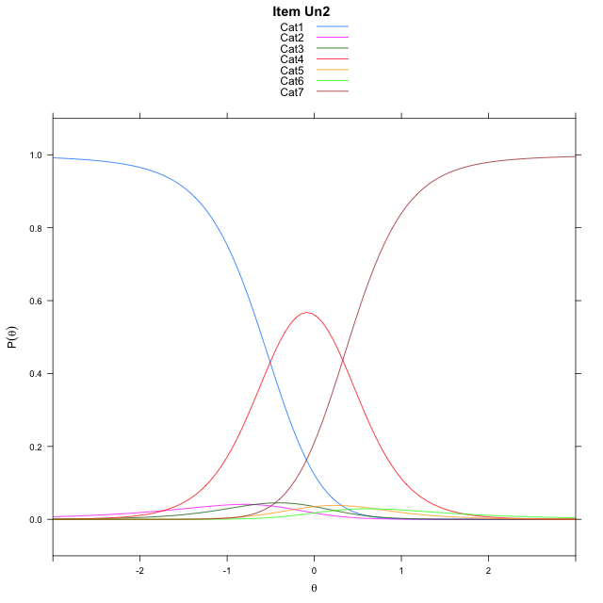
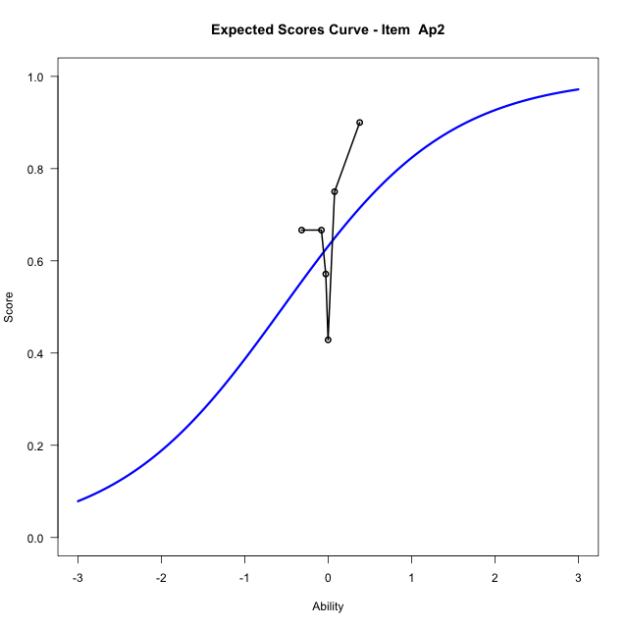
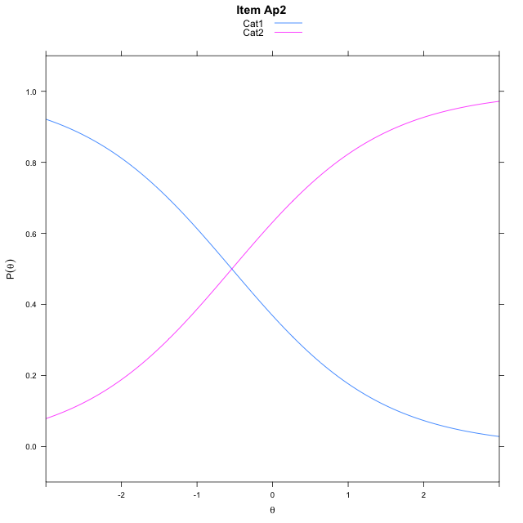
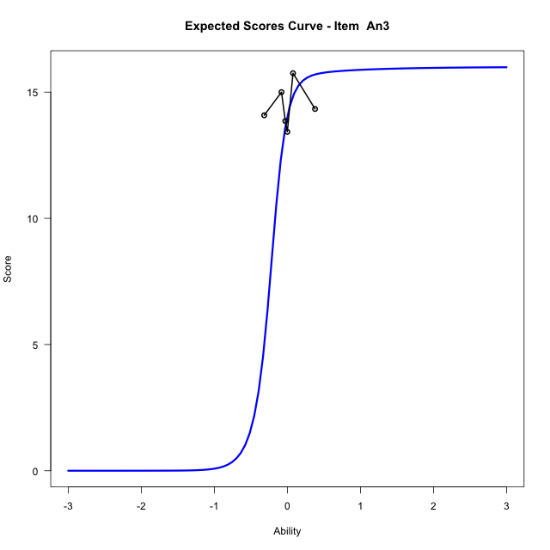
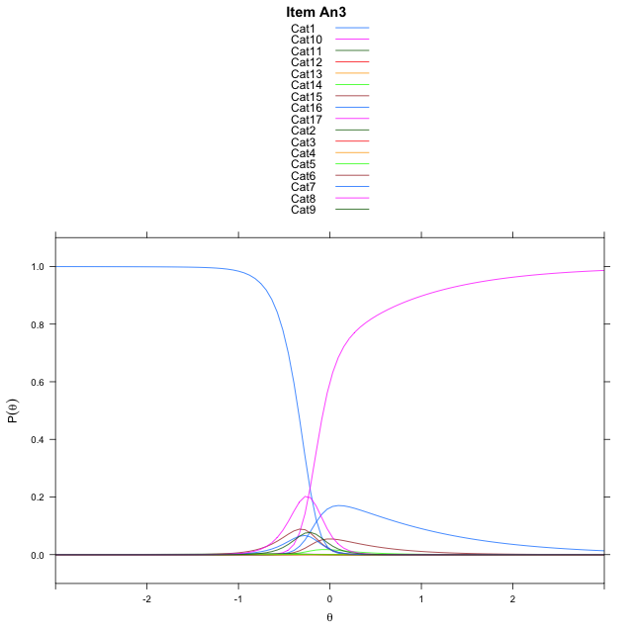
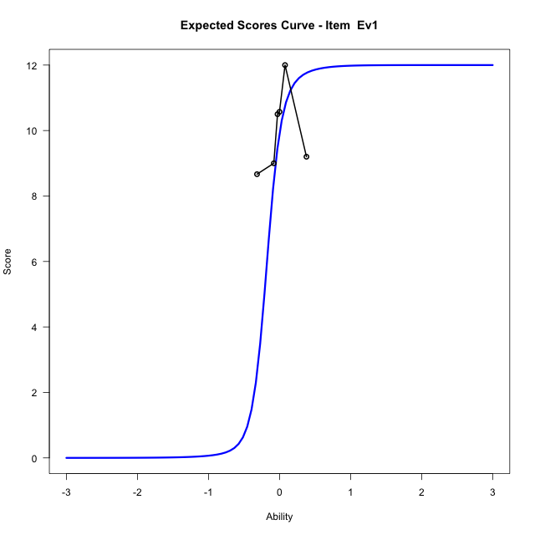
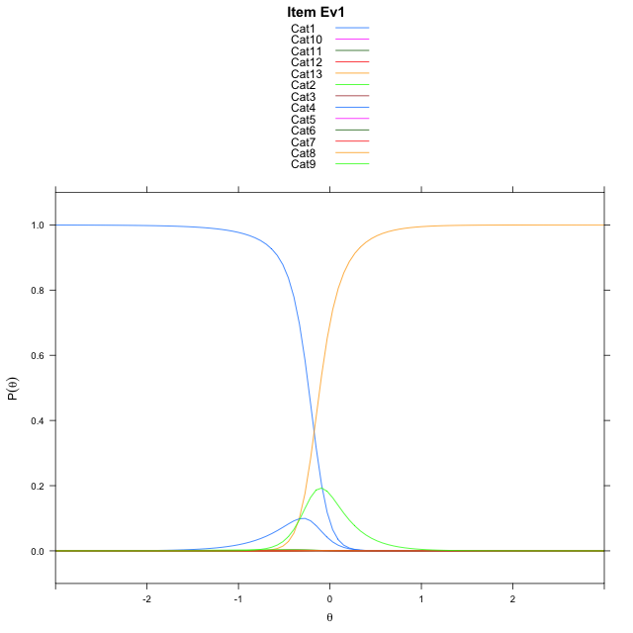
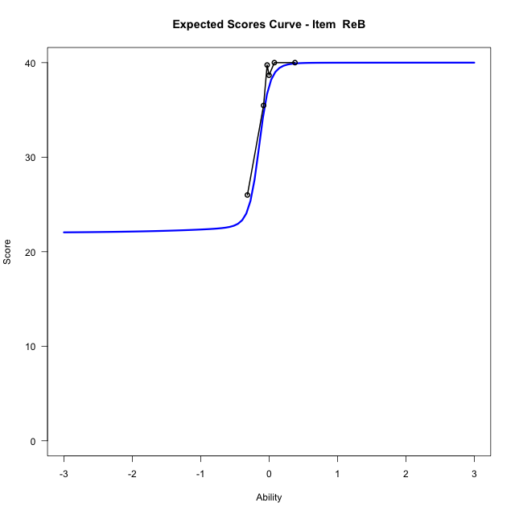
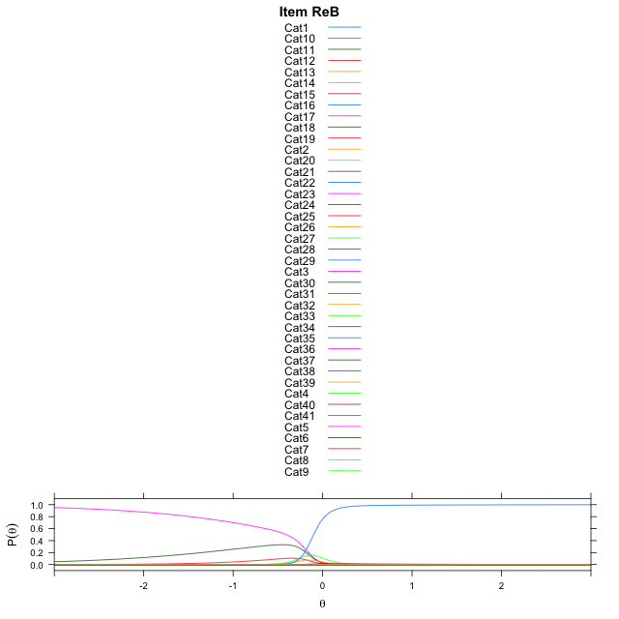
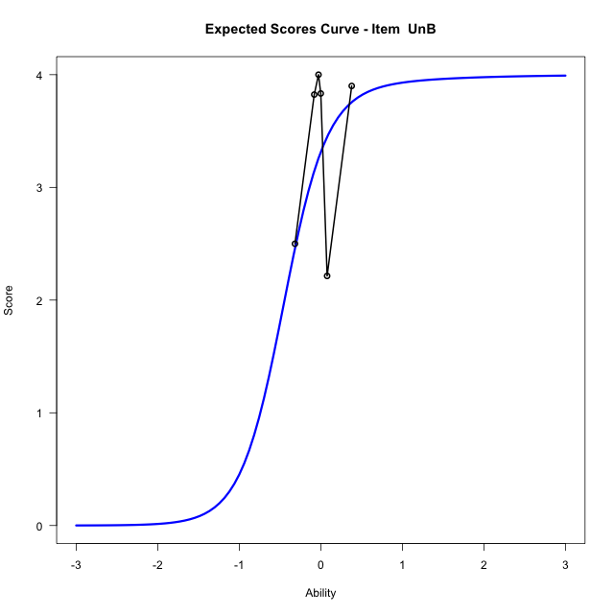
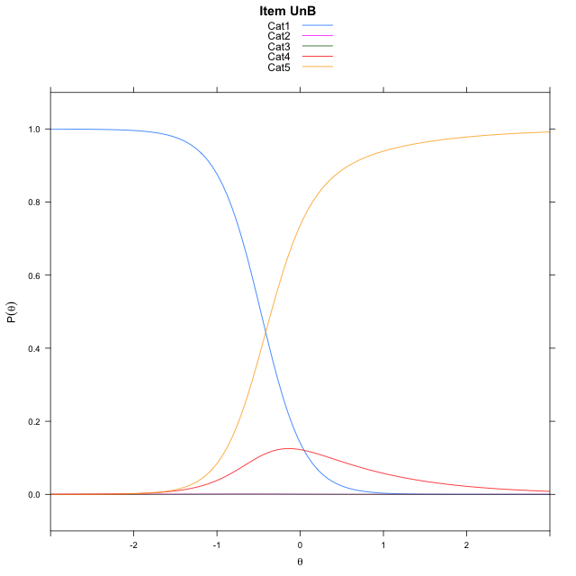
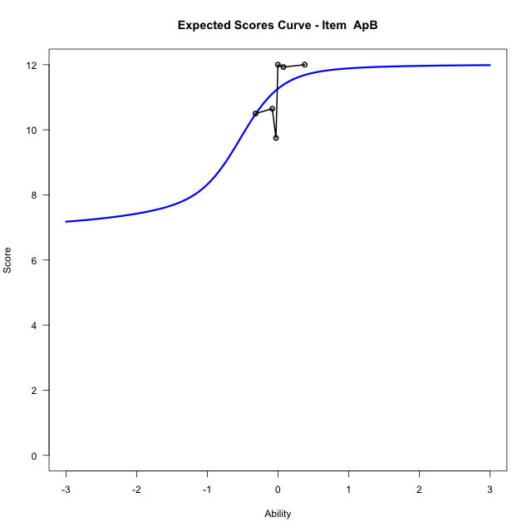
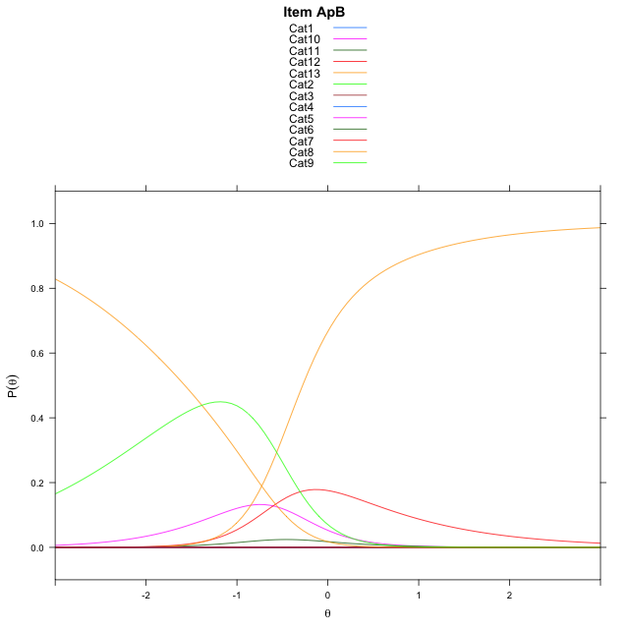
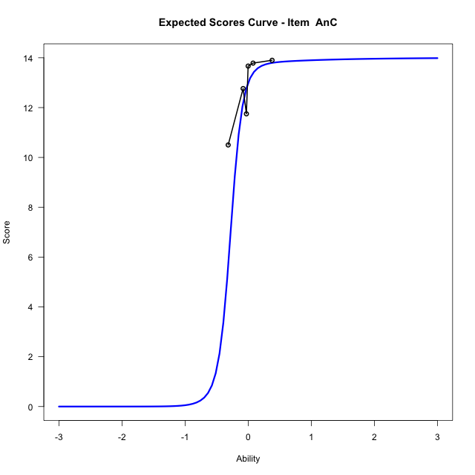
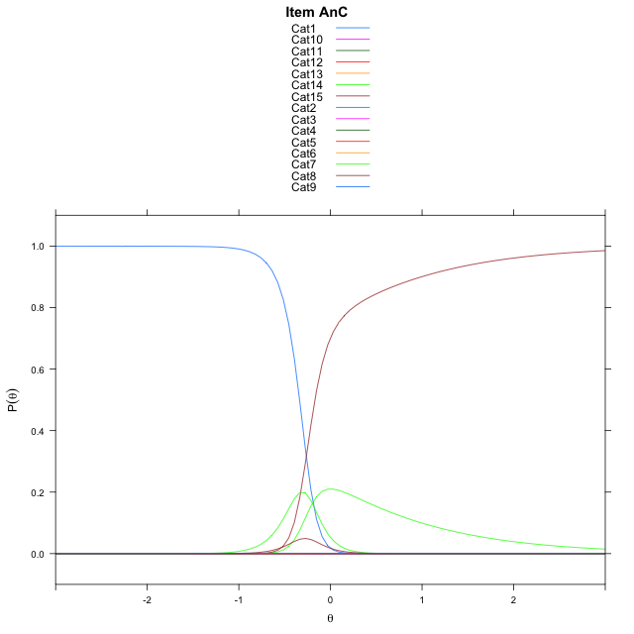
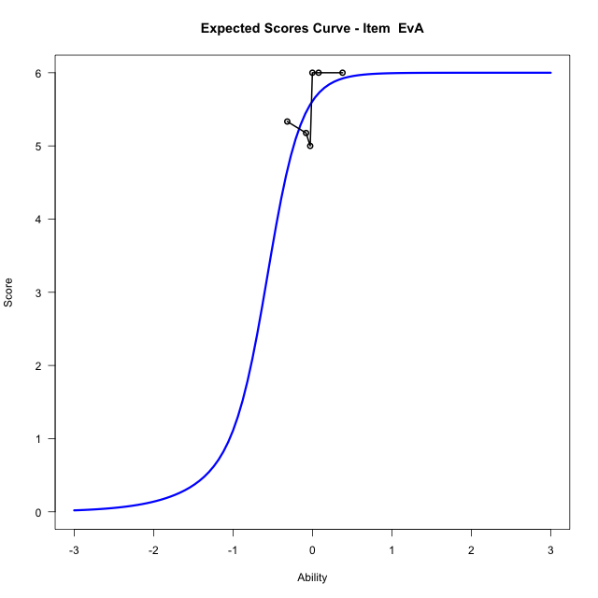
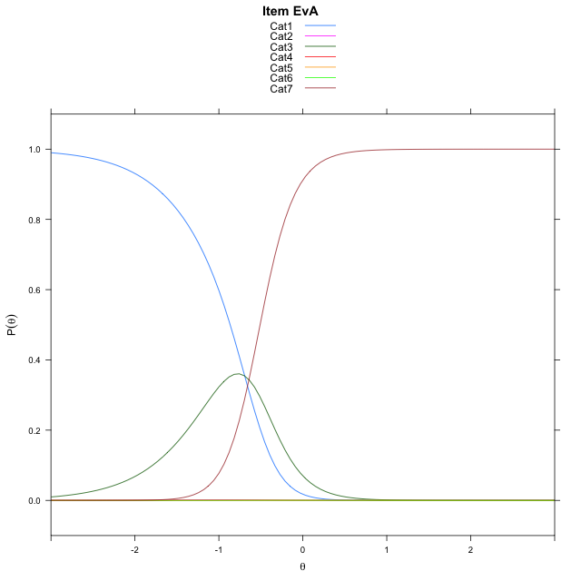
Estimate items information for the measurement model

Full Item Information
item | N | M | xsi.item | AXsi_.Cat1 | AXsi_.Cat2 | AXsi_.Cat3 | AXsi_.Cat4 | AXsi_.Cat5 | AXsi_.Cat6 | AXsi_.Cat7 | AXsi_.Cat8 | AXsi_.Cat9 | AXsi_.Cat10 | AXsi_.Cat11 | AXsi_.Cat12 | AXsi_.Cat13 | AXsi_.Cat14 | AXsi_.Cat15 | AXsi_.Cat16 | AXsi_.Cat17 | AXsi_.Cat18 | AXsi_.Cat19 | AXsi_.Cat20 | AXsi_.Cat21 | AXsi_.Cat22 | AXsi_.Cat23 | AXsi_.Cat24 | AXsi_.Cat25 | AXsi_.Cat26 | AXsi_.Cat27 | AXsi_.Cat28 | AXsi_.Cat29 | AXsi_.Cat30 | AXsi_.Cat31 | AXsi_.Cat32 | AXsi_.Cat33 | AXsi_.Cat34 | AXsi_.Cat35 | AXsi_.Cat36 | AXsi_.Cat37 | AXsi_.Cat38 | AXsi_.Cat39 | AXsi_.Cat40 | AXsi_.Cat41 | AXsi_.Cat42 | AXsi_.Cat43 | AXsi_.Cat44 | AXsi_.Cat45 | AXsi_.Cat46 | AXsi_.Cat47 | AXsi_.Cat48 | AXsi_.Cat49 | AXsi_.Cat50 | AXsi_.Cat51 | AXsi_.Cat52 | AXsi_.Cat53 | AXsi_.Cat54 | AXsi_.Cat55 | AXsi_.Cat56 | AXsi_.Cat57 | AXsi_.Cat58 | AXsi_.Cat59 | AXsi_.Cat60 | B.Cat1.Dim1 | B.Cat2.Dim1 | B.Cat3.Dim1 | B.Cat4.Dim1 | B.Cat5.Dim1 | B.Cat6.Dim1 | B.Cat7.Dim1 | B.Cat8.Dim1 | B.Cat9.Dim1 | B.Cat10.Dim1 | B.Cat11.Dim1 | B.Cat12.Dim1 | B.Cat13.Dim1 | B.Cat14.Dim1 | B.Cat15.Dim1 | B.Cat16.Dim1 | B.Cat17.Dim1 | B.Cat18.Dim1 | B.Cat19.Dim1 | B.Cat20.Dim1 | B.Cat21.Dim1 | B.Cat22.Dim1 | B.Cat23.Dim1 | B.Cat24.Dim1 | B.Cat25.Dim1 | B.Cat26.Dim1 | B.Cat27.Dim1 | B.Cat28.Dim1 | B.Cat29.Dim1 | B.Cat30.Dim1 | B.Cat31.Dim1 | B.Cat32.Dim1 | B.Cat33.Dim1 | B.Cat34.Dim1 | B.Cat35.Dim1 | B.Cat36.Dim1 | B.Cat37.Dim1 | B.Cat38.Dim1 | B.Cat39.Dim1 | B.Cat40.Dim1 | B.Cat41.Dim1 | B.Cat42.Dim1 | B.Cat43.Dim1 | B.Cat44.Dim1 | B.Cat45.Dim1 | B.Cat46.Dim1 | B.Cat47.Dim1 | B.Cat48.Dim1 | B.Cat49.Dim1 | B.Cat50.Dim1 | B.Cat51.Dim1 | B.Cat52.Dim1 | B.Cat53.Dim1 | B.Cat54.Dim1 | B.Cat55.Dim1 | B.Cat56.Dim1 | B.Cat57.Dim1 | B.Cat58.Dim1 | B.Cat59.Dim1 | B.Cat60.Dim1
Un1UnA | 114 | 15.543859649 | -7.2140190202 | -18.022119239 | -36.206458226 | -60.000993806 | -86.784843443 | -125.98434444 | -127.36674519 | -121.37318416 | -120.02829763 | -119.94702818 | -121.22807121 | -127.76891539 | -129.15592822 | -123.00132978 | -121.78163087 | -122.64869151 | -126.64466265 | -129.34850054 | -129.85234236 |  |  |  |  |  |  |  |  |  |  |  |  |  |  |  |  |  |  |  |  |  |  |  |  |  |  |  |  |  |  |  |  |  |  |  |  |  |  |  |  |  |  | 1 | 2 | 3 | 4 | 5 | 6 | 7 | 8 | 9 | 10 | 11 | 12 | 13 | 14 | 15 | 16 | 17 | 18 | 0 | 0 | 0 | 0 | 0 | 0 | 0 | 0 | 0 | 0 | 0 | 0 | 0 | 0 | 0 | 0 | 0 | 0 | 0 | 0 | 0 | 0 | 0 | 0 | 0 | 0 | 0 | 0 | 0 | 0 | 0 | 0 | 0 | 0 | 0 | 0 | 0 | 0 | 0 | 0 | 0 | 0
Ap1ApA | 114 | 5.649122807 | -0.77223171879 | 4.8859672962 | -1.7925421295 | -1.0894306061 | 2.925755702 | 0.029376644895 | -4.6333903127 |  |  |  |  |  |  |  |  |  |  |  |  |  |  |  |  |  |  |  |  |  |  |  |  |  |  |  |  |  |  |  |  |  |  |  |  |  |  |  |  |  |  |  |  |  |  |  |  |  |  |  |  |  |  | 1 | 2 | 3 | 4 | 5 | 6 | 0 | 0 | 0 | 0 | 0 | 0 | 0 | 0 | 0 | 0 | 0 | 0 | 0 | 0 | 0 | 0 | 0 | 0 | 0 | 0 | 0 | 0 | 0 | 0 | 0 | 0 | 0 | 0 | 0 | 0 | 0 | 0 | 0 | 0 | 0 | 0 | 0 | 0 | 0 | 0 | 0 | 0 | 0 | 0 | 0 | 0 | 0 | 0 | 0 | 0 | 0 | 0 | 0 | 0
Ap3ApC | 114 | 5.3771929825 | -0.26241996589 | 5.9476599299 | 5.8282507868 | -0.91556528333 | -1.9914510765 | 4.8763876719 | 5.8615077617 | 4.8532559443 | -2.0993597271 |  |  |  |  |  |  |  |  |  |  |  |  |  |  |  |  |  |  |  |  |  |  |  |  |  |  |  |  |  |  |  |  |  |  |  |  |  |  |  |  |  |  |  |  |  |  |  |  |  |  |  |  | 1 | 2 | 3 | 4 | 5 | 6 | 7 | 8 | 0 | 0 | 0 | 0 | 0 | 0 | 0 | 0 | 0 | 0 | 0 | 0 | 0 | 0 | 0 | 0 | 0 | 0 | 0 | 0 | 0 | 0 | 0 | 0 | 0 | 0 | 0 | 0 | 0 | 0 | 0 | 0 | 0 | 0 | 0 | 0 | 0 | 0 | 0 | 0 | 0 | 0 | 0 | 0 | 0 | 0 | 0 | 0 | 0 | 0 | 0 | 0
Re1 | 57 | 53.403508772 | -0.053116230008 | 4.5321575937 | 5.2178590646 | 6.5719086259 | 7.3611917621 | 8.1627521177 | 8.6668107165 | 8.6385210324 | 8.1276607913 | 7.1250706006 | 5.2922755654 | 0.64482873567 | 4.8619802767 | 6.5106505663 | 7.4599903223 | 8.0480881672 | 8.4243570845 | 9.0261052168 | 9.6052596919 | 9.8798053051 | 10.00072389 | 10.019559977 | 10.02261952 | 9.9226820728 | 9.6355384119 | 9.3207012439 | 8.8686142892 | 8.2111162411 | 7.5298588717 | 6.4087191329 | 4.6139302849 | 0.036619003621 | 4.1031514746 | 4.7854581751 | 3.6244719108 | -0.34402442615 | -0.32343440408 | 2.521289717 | 4.2750128855 | 4.9430336952 | 5.0396514415 | 4.4807363928 | 2.9927030467 | -0.46472554113 | -0.20168350824 | 1.800863738 | -0.30841939867 | -0.35979090134 | -1.9605866005 | 2.4762059969 | 3.540860836 | 4.3576876888 | 3.9227753314 | 2.5793374675 | -1.2459478151 | -0.062606871048 | -1.1320403316 | -1.1670616909 | -1.4477068969 | -1.6877364272 | -3.1869738005 | 1 | 2 | 3 | 4 | 5 | 6 | 7 | 8 | 9 | 10 | 11 | 12 | 13 | 14 | 15 | 16 | 17 | 18 | 19 | 20 | 21 | 22 | 23 | 24 | 25 | 26 | 27 | 28 | 29 | 30 | 31 | 32 | 33 | 34 | 35 | 36 | 37 | 38 | 39 | 40 | 41 | 42 | 43 | 44 | 45 | 46 | 47 | 48 | 49 | 50 | 51 | 52 | 53 | 54 | 55 | 56 | 57 | 58 | 59 | 60
Un2 | 57 | 3.2631578947 | -0.089832741105 | 1.9459099198 | 1.2527630704 | -1.5198257595 | 1.2527632046 | 1.945909544 | -0.53899644663 |  |  |  |  |  |  |  |  |  |  |  |  |  |  |  |  |  |  |  |  |  |  |  |  |  |  |  |  |  |  |  |  |  |  |  |  |  |  |  |  |  |  |  |  |  |  |  |  |  |  |  |  |  |  | 1 | 2 | 3 | 4 | 5 | 6 | 0 | 0 | 0 | 0 | 0 | 0 | 0 | 0 | 0 | 0 | 0 | 0 | 0 | 0 | 0 | 0 | 0 | 0 | 0 | 0 | 0 | 0 | 0 | 0 | 0 | 0 | 0 | 0 | 0 | 0 | 0 | 0 | 0 | 0 | 0 | 0 | 0 | 0 | 0 | 0 | 0 | 0 | 0 | 0 | 0 | 0 | 0 | 0 | 0 | 0 | 0 | 0 | 0 | 0
Ap2 | 57 | 0.63157894737 | -0.53899650073 | -0.53899650073 |  |  |  |  |  |  |  |  |  |  |  |  |  |  |  |  |  |  |  |  |  |  |  |  |  |  |  |  |  |  |  |  |  |  |  |  |  |  |  |  |  |  |  |  |  |  |  |  |  |  |  |  |  |  |  |  |  |  |  | 1 | 0 | 0 | 0 | 0 | 0 | 0 | 0 | 0 | 0 | 0 | 0 | 0 | 0 | 0 | 0 | 0 | 0 | 0 | 0 | 0 | 0 | 0 | 0 | 0 | 0 | 0 | 0 | 0 | 0 | 0 | 0 | 0 | 0 | 0 | 0 | 0 | 0 | 0 | 0 | 0 | 0 | 0 | 0 | 0 | 0 | 0 | 0 | 0 | 0 | 0 | 0 | 0 | 0 | 0 | 0 | 0 | 0 | 0 | 0
An3 | 55 | 14.054545455 | -0.22038928238 | 4.9422756908 | 6.4437047229 | 6.5769071402 | 5.1144698314 | -0.0099029745194 | -0.02176974481 | -1.4087050817 | -0.68677883565 | 3.1212719511 | 4.1237260451 | 4.1858701154 | 3.3160770325 | 0.028648810308 | -1.1280950261 | -2.2265251343 | -3.526228518 |  |  |  |  |  |  |  |  |  |  |  |  |  |  |  |  |  |  |  |  |  |  |  |  |  |  |  |  |  |  |  |  |  |  |  |  |  |  |  |  |  |  |  |  | 1 | 2 | 3 | 4 | 5 | 6 | 7 | 8 | 9 | 10 | 11 | 12 | 13 | 14 | 15 | 16 | 0 | 0 | 0 | 0 | 0 | 0 | 0 | 0 | 0 | 0 | 0 | 0 | 0 | 0 | 0 | 0 | 0 | 0 | 0 | 0 | 0 | 0 | 0 | 0 | 0 | 0 | 0 | 0 | 0 | 0 | 0 | 0 | 0 | 0 | 0 | 0 | 0 | 0 | 0 | 0 | 0 | 0 | 0 | 0
Ev1 | 57 | 9.9298245614 | -0.17506447549 | 4.8985081913 | 5.006674757 | 0.94516115058 | 4.8583910773 | 6.2742050545 | 6.2437053489 | 4.8679909163 | -0.7013271041 | 4.5110751232 | 5.4273069832 | 4.0732406371 | -2.1007737059 |  |  |  |  |  |  |  |  |  |  |  |  |  |  |  |  |  |  |  |  |  |  |  |  |  |  |  |  |  |  |  |  |  |  |  |  |  |  |  |  |  |  |  |  |  |  |  |  | 1 | 2 | 3 | 4 | 5 | 6 | 7 | 8 | 9 | 10 | 11 | 12 | 0 | 0 | 0 | 0 | 0 | 0 | 0 | 0 | 0 | 0 | 0 | 0 | 0 | 0 | 0 | 0 | 0 | 0 | 0 | 0 | 0 | 0 | 0 | 0 | 0 | 0 | 0 | 0 | 0 | 0 | 0 | 0 | 0 | 0 | 0 | 0 | 0 | 0 | 0 | 0 | 0 | 0 | 0 | 0 | 0 | 0 | 0 | 0
ReB | 57 | 37.01754386 | -10.016205443 | -14.839661038 | -29.47098829 | -44.281802658 | -59.21074885 | -74.14464007 | -89.090313167 | -105.04952616 | -121.01332727 | -137.16253433 | -153.4288193 | -169.20430754 | -184.26082584 | -199.46468985 | -214.69896821 | -230.21268403 | -245.8652059 | -262.34558642 | -279.32785056 | -301.78409813 | -323.24559579 | -354.13196837 | -398.13901305 | -398.07821333 | -397.26251549 | -393.66374326 | -391.97942943 | -391.32512316 | -391.67333624 | -392.38515154 | -393.92060863 | -398.12285697 | -398.96731986 | -394.56261425 | -392.77245094 | -392.03610671 | -392.11340392 | -392.33513508 | -393.59386623 | -396.79775658 | -400.6482177 |  |  |  |  |  |  |  |  |  |  |  |  |  |  |  |  |  |  |  |  | 1 | 2 | 3 | 4 | 5 | 6 | 7 | 8 | 9 | 10 | 11 | 12 | 13 | 14 | 15 | 16 | 17 | 18 | 19 | 20 | 21 | 22 | 23 | 24 | 25 | 26 | 27 | 28 | 29 | 30 | 31 | 32 | 33 | 34 | 35 | 36 | 37 | 38 | 39 | 40 | 0 | 0 | 0 | 0 | 0 | 0 | 0 | 0 | 0 | 0 | 0 | 0 | 0 | 0 | 0 | 0 | 0 | 0 | 0 | 0
UnB | 57 | 3.3157894737 | -0.4157431865 | 5.9521075648 | 6.108897887 | 0.13179973582 | -1.662972746 |  |  |  |  |  |  |  |  |  |  |  |  |  |  |  |  |  |  |  |  |  |  |  |  |  |  |  |  |  |  |  |  |  |  |  |  |  |  |  |  |  |  |  |  |  |  |  |  |  |  |  |  |  |  |  |  | 1 | 2 | 3 | 4 | 0 | 0 | 0 | 0 | 0 | 0 | 0 | 0 | 0 | 0 | 0 | 0 | 0 | 0 | 0 | 0 | 0 | 0 | 0 | 0 | 0 | 0 | 0 | 0 | 0 | 0 | 0 | 0 | 0 | 0 | 0 | 0 | 0 | 0 | 0 | 0 | 0 | 0 | 0 | 0 | 0 | 0 | 0 | 0 | 0 | 0 | 0 | 0 | 0 | 0 | 0 | 0 | 0 | 0 | 0 | 0
ApB | 57 | 11.263157895 | -17.066318393 | -19.50547428 | -39.418806366 | -60.522645351 | -87.083736543 | -117.06962931 | -153.54272847 | -201.15823456 | -202.54452892 | -202.25684685 | -201.15823456 | -203.46081965 | -204.79582072 |  |  |  |  |  |  |  |  |  |  |  |  |  |  |  |  |  |  |  |  |  |  |  |  |  |  |  |  |  |  |  |  |  |  |  |  |  |  |  |  |  |  |  |  |  |  |  |  | 1 | 2 | 3 | 4 | 5 | 6 | 7 | 8 | 9 | 10 | 11 | 12 | 0 | 0 | 0 | 0 | 0 | 0 | 0 | 0 | 0 | 0 | 0 | 0 | 0 | 0 | 0 | 0 | 0 | 0 | 0 | 0 | 0 | 0 | 0 | 0 | 0 | 0 | 0 | 0 | 0 | 0 | 0 | 0 | 0 | 0 | 0 | 0 | 0 | 0 | 0 | 0 | 0 | 0 | 0 | 0 | 0 | 0 | 0 | 0
AnC | 57 | 13 | -0.26424920617 | 5.850617243 | 7.7220690707 | 8.2300200724 | 7.811689138 | 5.9186791767 | -1.1050552799 | 0.0055894194494 | 4.6277654633 | 6.1369272903 | 6.184270369 | 6.2000743641 | 4.5540653678 | -2.4942766611 | -3.6994888864 |  |  |  |  |  |  |  |  |  |  |  |  |  |  |  |  |  |  |  |  |  |  |  |  |  |  |  |  |  |  |  |  |  |  |  |  |  |  |  |  |  |  |  |  |  |  | 1 | 2 | 3 | 4 | 5 | 6 | 7 | 8 | 9 | 10 | 11 | 12 | 13 | 14 | 0 | 0 | 0 | 0 | 0 | 0 | 0 | 0 | 0 | 0 | 0 | 0 | 0 | 0 | 0 | 0 | 0 | 0 | 0 | 0 | 0 | 0 | 0 | 0 | 0 | 0 | 0 | 0 | 0 | 0 | 0 | 0 | 0 | 0 | 0 | 0 | 0 | 0 | 0 | 0 | 0 | 0 | 0 | 0 | 0 | 0
EvA | 57 | 5.6140350877 | -0.66002366979 | 4.8917895139 | -1.3886106935 | 4.4683224315 | 5.4148154328 | 4.2487767924 | -3.9601420188 |  |  |  |  |  |  |  |  |  |  |  |  |  |  |  |  |  |  |  |  |  |  |  |  |  |  |  |  |  |  |  |  |  |  |  |  |  |  |  |  |  |  |  |  |  |  |  |  |  |  |  |  |  |  | 1 | 2 | 3 | 4 | 5 | 6 | 0 | 0 | 0 | 0 | 0 | 0 | 0 | 0 | 0 | 0 | 0 | 0 | 0 | 0 | 0 | 0 | 0 | 0 | 0 | 0 | 0 | 0 | 0 | 0 | 0 | 0 | 0 | 0 | 0 | 0 | 0 | 0 | 0 | 0 | 0 | 0 | 0 | 0 | 0 | 0 | 0 | 0 | 0 | 0 | 0 | 0 | 0 | 0 | 0 | 0 | 0 | 0 | 0 | 0

Thurstonian Thresholds (category-wise)
 | Cat1 | Cat2 | Cat3 | Cat4 | Cat5 | Cat6 | Cat7 | Cat8 | Cat9 | Cat10 | Cat11 | Cat12 | Cat13 | Cat14 | Cat15 | Cat16 | Cat17 | Cat18 | Cat19 | Cat20 | Cat21 | Cat22 | Cat23 | Cat24 | Cat25 | Cat26 | Cat27 | Cat28 | Cat29 | Cat30 | Cat31 | Cat32 | Cat33 | Cat34 | Cat35 | Cat36 | Cat37 | Cat38 | Cat39 | Cat40 | Cat41 | Cat42 | Cat43 | Cat44 | Cat45 | Cat46 | Cat47 | Cat48 | Cat49 | Cat50 | Cat51 | Cat52 | Cat53 | Cat54 | Cat55 | Cat56 | Cat57 | Cat58 | Cat59 | Cat60
Un1UnA | -11.999908447 | -11.999908447 | -11.999908447 | -11.999908447 | -11.999908447 | -1.3867492676 | -0.34982299805 | -0.34945678711 | -0.34927368164 | -0.34927368164 | -0.34909057617 | -0.29525756836 | -0.1174621582 | -0.11727905273 | -0.11709594727 | -0.1169128418 | -0.1086730957 | 0.083953857422
Ap1ApA | -1.0729064941 | -1.0710754395 | -0.64297485352 | -0.56900024414 | -0.56826782227 | -0.56076049805
Ap3ApC | -0.63711547852 | -0.63638305664 | -0.6360168457 | -0.41024780273 | 0.061431884766 | 0.061798095703 | 0.061981201172 | 0.062347412109
Re1 | -0.051727294922 | -0.051361083984 | -0.051177978516 | -0.051177978516 | -0.051177978516 | -0.051177978516 | -0.051177978516 | -0.051177978516 | -0.051177978516 | -0.051177978516 | -0.050994873047 | -0.043853759766 | -0.043670654297 | -0.043670654297 | -0.043670654297 | -0.043670654297 | -0.043670654297 | -0.043670654297 | -0.043670654297 | -0.043670654297 | -0.043670654297 | -0.043670654297 | -0.043670654297 | -0.043670654297 | -0.043670654297 | -0.043670654297 | -0.043670654297 | -0.043670654297 | -0.043670654297 | -0.043670654297 | -0.043670654297 | -0.043487548828 | -0.043487548828 | -0.043487548828 | -0.043487548828 | -0.043304443359 | -0.043121337891 | -0.043121337891 | -0.043121337891 | -0.043121337891 | -0.043121337891 | -0.043121337891 | -0.043121337891 | -0.043121337891 | -0.042938232422 | -0.042938232422 | -0.042755126953 | -0.042755126953 | -0.041656494141 | -0.041656494141 | -0.041656494141 | -0.041656494141 | -0.041656494141 | -0.041656494141 | -0.040008544922 | -0.039459228516 | -0.037078857422 | -0.033966064453 | -0.028106689453 | -0.014923095703
Un2 | -0.59994506836 | -0.54830932617 | -0.48989868164 | 0.32601928711 | 0.37454223633 | 0.4104309082
Ap2 | -0.53897094727
An3 | -0.34579467773 | -0.34451293945 | -0.34432983398 | -0.34432983398 | -0.34396362305 | -0.30313110352 | -0.27383422852 | -0.19107055664 | -0.16268920898 | -0.16213989258 | -0.16195678711 | -0.16177368164 | -0.16159057617 | -0.1555480957 | -0.13778686523 | -0.070953369141
Ev1 | -0.23300170898 | -0.2317199707 | -0.23080444336 | -0.19216918945 | -0.19143676758 | -0.19143676758 | -0.19125366211 | -0.19088745117 | -0.11068725586 | -0.11032104492 | -0.11013793945 | -0.10958862305
ReB | -11.999908447 | -11.999908447 | -11.999908447 | -11.999908447 | -11.999908447 | -11.999908447 | -11.999908447 | -11.999908447 | -11.999908447 | -11.999908447 | -11.999908447 | -11.999908447 | -11.999908447 | -11.999908447 | -11.999908447 | -11.999908447 | -11.999908447 | -11.999908447 | -11.999908447 | -11.999908447 | -11.999908447 | -11.999908447 | -0.40530395508 | -0.20315551758 | -0.17715454102 | -0.17660522461 | -0.17660522461 | -0.17642211914 | -0.17642211914 | -0.17642211914 | -0.17587280273 | -0.15371704102 | -0.10556030273 | -0.10501098633 | -0.10482788086 | -0.10482788086 | -0.10482788086 | -0.10482788086 | -0.10464477539 | -0.10116577148
UnB | -0.4743347168 | -0.47341918945 | -0.47305297852 | -0.34671020508
ApB | -11.999908447 | -11.999908447 | -11.999908447 | -11.999908447 | -11.999908447 | -11.999908447 | -11.999908447 | -1.5736999512 | -0.65872192383 | -0.5100402832 | -0.48294067383 | -0.27767944336
AnC | -0.33700561523 | -0.33645629883 | -0.33645629883 | -0.33645629883 | -0.33645629883 | -0.33627319336 | -0.25900268555 | -0.24087524414 | -0.24069213867 | -0.24069213867 | -0.24069213867 | -0.24069213867 | -0.24069213867 | -0.1696472168
EvA | -0.86563110352 | -0.86361694336 | -0.50985717773 | -0.5094909668 | -0.50930786133 | -0.50912475586

Thurstonian Thresholds (item-wise)
 | Threshold
Un1UnA | -0.44198567501
Ap1ApA | -0.74320572578
Ap3ApC | -0.2498994356
Re1 | -0.24094154634
Un2 | -0.087999520994
Ap2 | -0.537696698
An3 | -0.27582057378
Ev1 | -0.24636469852
ReB
UnB | -0.42145529835
ApB
AnC | -0.29282553922
EvA | -0.60398911456

Item Infit/Outfit Statistic
parameter | Outfit | Outfit_t | Outfit_p | Outfit_pholm | Infit | Infit_t | Infit_p | Infit_pholm
Un1UnA_Cat1 | 1.232593796E-22 |  |  |  | 1.1102230246E-16
Un1UnA_Cat2 | 1.232593796E-22 |  |  |  | 1.1102230246E-16
Un1UnA_Cat3 | 1.232593796E-22 |  |  |  | 1.1102230246E-16
Un1UnA_Cat4 | 1.232593796E-22 |  |  |  | 1.1102230246E-16
Un1UnA_Cat5 | 1.232593796E-22 |  |  |  | 1.1102230246E-16
Un1UnA_Cat6 | 1.0008447351 | 0.32993056909 | 0.74145242481 | 1 | 1.0008447466 | 0.32993058075 | 0.741452416 | 1
Un1UnA_Cat7 | 1.0015630297 | 0.14295016376 | 0.88632954041 | 1 | 1.0015630321 | 0.14295016948 | 0.88632953589 | 1
Un1UnA_Cat8 | 1.000878078 | 0.14125507989 | 0.88766843477 | 1 | 1.0008780804 | 0.14125508561 | 0.88766843025 | 1
Un1UnA_Cat9 | 1.0007193411 | 0.14086194304 | 0.88797900737 | 1 | 1.0007193435 | 0.14086194875 | 0.88797900285 | 1
Un1UnA_Cat10 | 1.0005690637 | 0.14048965234 | 0.88827312765 | 1 | 1.0005690661 | 0.14048965806 | 0.88827312313 | 1
Un1UnA_Cat11 | 0.9999300979 | 0.13890556408 | 0.88952477409 | 1 | 0.99993010028 | 0.1389055698 | 0.88952476958 | 1
Un1UnA_Cat12 | 1.0002158101 | 0.086186480101 | 0.93131817803 | 1 | 1.0002158112 | 0.086186484583 | 0.93131817447 | 1
Un1UnA_Cat13 | 1.0002608403 | 0.029471454483 | 0.97648858507 | 1 | 1.0002608408 | 0.029471460477 | 0.97648858029 | 1
Un1UnA_Cat14 | 0.9999709374 | 0.025750079857 | 0.97945667913 | 1 | 0.99997093787 | 0.025750085855 | 0.97945667435 | 1
Un1UnA_Cat15 | 0.99988705978 | 0.024671890755 | 0.98031667618 | 1 | 0.99988706025 | 0.024671896754 | 0.9803166714 | 1
Un1UnA_Cat16 | 0.99965365554 | 0.021668122539 | 0.98271269233 | 1 | 0.99965365601 | 0.02166812854 | 0.98271268754 | 1
Un1UnA_Cat17 | 0.99996410513 | 0.022881013964 | 0.98174518509 | 1 | 0.99996410559 | 0.022881020463 | 0.98174517991 | 1
Un1UnA_Cat18 | 1.0000063457 | 0.010197142042 | 0.9918639988 | 1 | 1.0000063461 | 0.010197155737 | 0.99186398787 | 1
Ap1ApA_Cat1 | 1.0032346929 | 0.33275091092 | 0.73932231591 | 1 | 1.0032347045 | 0.33275092261 | 0.73932230709 | 1
Ap1ApA_Cat2 | 1.0003853178 | 0.32938723541 | 0.74186301466 | 1 | 1.0003853293 | 0.32938724706 | 0.74186300585 | 1
Ap1ApA_Cat3 | 1.0007357114 | 0.11627644788 | 0.90743345085 | 1 | 1.0007357131 | 0.11627645295 | 0.90743344683 | 1
Ap1ApA_Cat4 | 1.0016795354 | 0.097252669169 | 0.92252574229 | 1 | 1.0016795367 | 0.097252673751 | 0.92252573865 | 1
Ap1ApA_Cat5 | 0.99983733541 | 0.090392348795 | 0.92797543658 | 1 | 0.99983733665 | 0.090392353372 | 0.92797543294 | 1
Ap1ApA_Cat6 | 1.0007047862 | 0.088126711876 | 0.92977596596 | 1 | 1.0007047874 | 0.088126716359 | 0.9297759624 | 1
Ap3ApC_Cat1 | 1.0018515595 | 0.130164305 | 0.89643643475 | 1 | 1.0018515615 | 0.13016431035 | 0.89643643052 | 1
Ap3ApC_Cat2 | 1.0009248531 | 0.12762918287 | 0.8984424354 | 1 | 1.0009248551 | 0.12762918822 | 0.89844243117 | 1
Ap3ApC_Cat3 | 0.99990234218 | 0.12482684448 | 0.90066063479 | 1 | 0.99990234419 | 0.12482684982 | 0.90066063056 | 1
Ap3ApC_Cat4 | 1.0002526585 | 0.052534900381 | 0.95810248724 | 1 | 1.0002526592 | 0.052534904742 | 0.95810248376 | 1
Ap3ApC_Cat5 | 0.99987751589 | 0.0041959379684 | 0.9966521357 | 1 | 0.9998775163 | 0.0041959533809 | 0.9966521234 | 1
Ap3ApC_Cat6 | 0.99996278473 | 0.0074397227806 | 0.99406401482 | 1 | 0.99996278513 | 0.0074397381613 | 0.99406400254 | 1
Ap3ApC_Cat7 | 0.99999208894 | 0.0085512112237 | 0.99317720374 | 1 | 0.99999208935 | 0.0085512265934 | 0.99317719148 | 1
Ap3ApC_Cat8 | 1.0000780165 | 0.011800755057 | 0.99058457826 | 1 | 1.0000780169 | 0.011800770395 | 0.99058456603 | 1
Re1_Cat1 | 0.49318369306 | -0.75443266317 | 0.45058946462 | 1 | 0.49318369444 | -0.75443265977 | 0.45058946667 | 1
Re1_Cat2 | 0.49019954519 | -0.76645348167 | 0.44340652085 | 1 | 0.49019954655 | -0.76645347827 | 0.44340652286 | 1
Re1_Cat3 | 0.48891240663 | -0.77168204447 | 0.44030276788 | 1 | 0.48891240799 | -0.77168204109 | 0.44030276989 | 1
Re1_Cat4 | 0.48857823645 | -0.77304384931 | 0.43949643026 | 1 | 0.4885782378 | -0.77304384593 | 0.43949643226 | 1
Re1_Cat5 | 0.48841700207 | -0.77370155336 | 0.43910730121 | 1 | 0.48841700343 | -0.77370154998 | 0.43910730321 | 1
Re1_Cat6 | 0.4883383385 | -0.77402258868 | 0.43891743332 | 1 | 0.48833833985 | -0.7740225853 | 0.43891743532 | 1
Re1_Cat7 | 0.48828679079 | -0.77423301525 | 0.43879300766 | 1 | 0.48828679214 | -0.77423301186 | 0.43879300966 | 1
Re1_Cat8 | 0.4882288308 | -0.77446966912 | 0.43865309795 | 1 | 0.48822883216 | -0.77446966574 | 0.43865309995 | 1
Re1_Cat9 | 0.48812043694 | -0.77491239327 | 0.4383914284 | 1 | 0.48812043829 | -0.77491238989 | 0.4383914304 | 1
Re1_Cat10 | 0.4877868931 | -0.77627591478 | 0.4375860909 | 1 | 0.48778689444 | -0.7762759114 | 0.43758609289 | 1
Re1_Cat11 | 0.48543905014 | -0.78592520481 | 0.43191130728 | 1 | 0.48543905148 | -0.78592520144 | 0.43191130925 | 1
Re1_Cat12 | 0.55393094974 | -1.0231112259 | 0.30625525979 | 1 | 0.55393095061 | -1.023111223 | 0.30625526114 | 1
Re1_Cat13 | 0.55156257559 | -1.0352581253 | 0.30054838011 | 1 | 0.55156257646 | -1.0352581225 | 0.30054838143 | 1
Re1_Cat14 | 0.55114680254 | -1.0374032322 | 0.2995479726 | 1 | 0.55114680341 | -1.0374032294 | 0.29954797393 | 1
Re1_Cat15 | 0.55099419748 | -1.0381915296 | 0.29918089532 | 1 | 0.55099419835 | -1.0381915268 | 0.29918089665 | 1
Re1_Cat16 | 0.55091375775 | -1.0386072571 | 0.29898742932 | 1 | 0.55091375862 | -1.0386072542 | 0.29898743064 | 1
Re1_Cat17 | 0.55086074995 | -1.0388812896 | 0.29885994918 | 1 | 0.55086075082 | -1.0388812867 | 0.29885995051 | 1
Re1_Cat18 | 0.55083251542 | -1.0390272781 | 0.29879205002 | 1 | 0.55083251628 | -1.0390272753 | 0.29879205135 | 1
Re1_Cat19 | 0.55081718674 | -1.0391065434 | 0.29875518809 | 1 | 0.55081718761 | -1.0391065406 | 0.29875518941 | 1
Re1_Cat20 | 0.55080592075 | -1.0391648037 | 0.29872809639 | 1 | 0.55080592162 | -1.0391648009 | 0.29872809771 | 1
Re1_Cat21 | 0.55079626833 | -1.0392147219 | 0.29870488514 | 1 | 0.5507962692 | -1.0392147191 | 0.29870488646 | 1
Re1_Cat22 | 0.55078707465 | -1.0392622697 | 0.29868277724 | 1 | 0.55078707552 | -1.0392622668 | 0.29868277856 | 1
Re1_Cat23 | 0.55077816909 | -1.0393083291 | 0.29866136239 | 1 | 0.55077816995 | -1.0393083263 | 0.29866136372 | 1
Re1_Cat24 | 0.55076859071 | -1.0393578703 | 0.29863832989 | 1 | 0.55076859158 | -1.0393578675 | 0.29863833121 | 1
Re1_Cat25 | 0.55075611712 | -1.0394223891 | 0.29860833581 | 1 | 0.55075611799 | -1.0394223863 | 0.29860833713 | 1
Re1_Cat26 | 0.55073925304 | -1.039509623 | 0.29856778498 | 1 | 0.5507392539 | -1.0395096202 | 0.2985677863 | 1
Re1_Cat27 | 0.55071290279 | -1.0396459391 | 0.2985044255 | 1 | 0.55071290366 | -1.0396459363 | 0.29850442682 | 1
Re1_Cat28 | 0.55066332755 | -1.0399024456 | 0.29838522616 | 1 | 0.55066332841 | -1.0399024427 | 0.29838522748 | 1
Re1_Cat29 | 0.5505673945 | -1.0403989662 | 0.2981545818 | 1 | 0.55056739536 | -1.0403989634 | 0.29815458312 | 1
Re1_Cat30 | 0.55028366965 | -1.0418686387 | 0.29747258587 | 1 | 0.55028367052 | -1.0418686358 | 0.29747258719 | 1
Re1_Cat31 | 0.54869510882 | -1.0501305171 | 0.29365810978 | 1 | 0.54869510968 | -1.0501305142 | 0.29365811108 | 1
Re1_Cat32 | 0.60729799761 | -1.1203590186 | 0.26256080127 | 1 | 0.60729799833 | -1.1203590159 | 0.26256080242 | 1
Re1_Cat33 | 0.60602544505 | -1.1277827526 | 0.2594116791 | 1 | 0.60602544576 | -1.1277827499 | 0.25941168024 | 1
Re1_Cat34 | 0.60551147937 | -1.1307932768 | 0.25814211035 | 1 | 0.60551148008 | -1.1307932741 | 0.25814211149 | 1
Re1_Cat35 | 0.6040581953 | -1.1393441241 | 0.25455965141 | 1 | 0.604058196 | -1.1393441214 | 0.25455965253 | 1
Re1_Cat36 | 0.65624813205 | -1.1323785578 | 0.25747531562 | 1 | 0.65624813269 | -1.1323785551 | 0.25747531674 | 1
Re1_Cat37 | 0.68025700369 | -1.2421742652 | 0.21417227252 | 1 | 0.68025700425 | -1.2421742626 | 0.2141722735 | 1
Re1_Cat38 | 0.67795722914 | -1.2592985749 | 0.20792250779 | 1 | 0.6779572297 | -1.2592985723 | 0.20792250874 | 1
Re1_Cat39 | 0.67760389267 | -1.2619494048 | 0.2069669928 | 1 | 0.67760389322 | -1.2619494022 | 0.20696699376 | 1
Re1_Cat40 | 0.67742849846 | -1.2632672498 | 0.20649315177 | 1 | 0.67742849902 | -1.2632672472 | 0.20649315272 | 1
Re1_Cat41 | 0.67726733643 | -1.264479326 | 0.20605803654 | 1 | 0.67726733698 | -1.2644793234 | 0.20605803749 | 1
Re1_Cat42 | 0.67696845392 | -1.2667301425 | 0.20525179819 | 1 | 0.67696845448 | -1.2667301399 | 0.20525179913 | 1
Re1_Cat43 | 0.67547606604 | -1.2780271068 | 0.2012398687 | 1 | 0.67547606658 | -1.2780271041 | 0.20123986964 | 1
Re1_Cat44 | 0.69297879234 | -1.4212059423 | 0.15525689769 | 1 | 0.69297879283 | -1.4212059396 | 0.15525689847 | 1
Re1_Cat45 | 0.73216248198 | -1.3341416319 | 0.18215744408 | 1 | 0.73216248246 | -1.3341416291 | 0.182157445 | 1
Re1_Cat46 | 0.72940431347 | -1.3606007952 | 0.17363988017 | 1 | 0.72940431395 | -1.3606007924 | 0.17363988106 | 1
Re1_Cat47 | 0.76326570515 | -1.2800973655 | 0.2005108951 | 1 | 0.76326570561 | -1.2800973626 | 0.20051089612 | 1
Re1_Cat48 | 0.73276859357 | -2.2582071432 | 0.02393274813 | 1 | 0.73276859393 | -2.2582071398 | 0.023932748346 | 1
Re1_Cat49 | 0.88563987849 | -2.1642036654 | 0.030448722111 | 1 | 0.88563987886 | -2.1642036581 | 0.030448722674 | 1
Re1_Cat50 | 0.88590974869 | -2.1744540964 | 0.02967104921 | 1 | 0.88590974906 | -2.174454089 | 0.029671049764 | 1
Re1_Cat51 | 0.88598804702 | -2.1773774095 | 0.029452419785 | 1 | 0.88598804739 | -2.1773774021 | 0.029452420338 | 1
Re1_Cat52 | 0.88602114059 | -2.1786063714 | 0.029360922469 | 1 | 0.88602114096 | -2.1786063639 | 0.02936092302 | 1
Re1_Cat53 | 0.88607465448 | -2.1805854848 | 0.029214089699 | 1 | 0.88607465485 | -2.1805854774 | 0.029214090249 | 1
Re1_Cat54 | 0.8863125768 | -2.189265861 | 0.028577522142 | 1 | 0.88631257717 | -2.1892658536 | 0.028577522684 | 1
Re1_Cat55 | 0.94084031237 | -1.9527475522 | 0.050849516033 | 1 | 0.94084031275 | -1.9527475392 | 0.050849517565 | 1
Re1_Cat56 | 0.95655726582 | -1.8809414757 | 0.059979880409 | 1 | 0.9565572662 | -1.8809414587 | 0.059979882724 | 1
Re1_Cat57 | 0.99596679113 | -1.6538149497 | 0.098165117488 | 1 | 0.99596679153 | -1.6538147861 | 0.098165150754 | 1
Re1_Cat58 | 1.0266156692 | 1.4452738057 | 0.14838099248 | 1 | 1.0266156696 | 1.4452738278 | 0.14838098627 | 1
Re1_Cat59 | 1.061264647 | 1.2472100726 | 0.21232048057 | 1 | 1.0612646475 | 1.2472100812 | 0.2123204774 | 1
Re1_Cat60 | 1.0814361292 | 0.94341146773 | 0.34547047973 | 1 | 1.0814361297 | 0.94341147297 | 0.34547047705 | 1
Un2_Cat1 | 0.99999999907 | 0.10147889693 | 0.91917030888 | 1 | 1 | 0.10147889997 | 0.91917030646 | 1
Un2_Cat2 | 0.99999999917 | 0.091428611918 | 0.92715202793 | 1 | 1 | 0.09142861494 | 0.92715202553 | 1
Un2_Cat3 | 0.99999999931 | 0.075351880461 | 0.93993474414 | 1 | 1 | 0.075351883519 | 0.9399347417 | 1
Un2_Cat4 | 0.99999999948 | 0.047493565395 | 0.96211985862 | 1 | 1 | 0.047493569015 | 0.96211985574 | 1
Un2_Cat5 | 0.99999999943 | 0.057227526055 | 0.95436395146 | 1 | 1 | 0.057227529364 | 0.95436394883 | 1
Un2_Cat6 | 0.9999999994 | 0.062698673873 | 0.95000645341 | 1 | 1 | 0.062698677072 | 0.95000645087 | 1
Ap2_Cat1 | 0.99999999957 | 0.024086382095 | 0.98078370569 | 1 | 1 | 0.024086388042 | 0.98078370094 | 1
An3_Cat1 | 0.99651272907 | 0.31996659499 | 0.74899365372 | 1 | 0.99651273463 | 0.31996660074 | 0.74899364937 | 1
An3_Cat2 | 0.99392139465 | 0.31682608833 | 0.75137556759 | 1 | 0.99392140018 | 0.31682609406 | 0.75137556324 | 1
An3_Cat3 | 0.99341182795 | 0.3162070127 | 0.75184538527 | 1 | 0.99341183348 | 0.31620701843 | 0.75184538092 | 1
An3_Cat4 | 0.99296376257 | 0.31566224176 | 0.75225888907 | 1 | 0.99296376809 | 0.31566224748 | 0.75225888472 | 1
An3_Cat5 | 0.99063811461 | 0.31282841398 | 0.75441102682 | 1 | 0.99063812011 | 0.3128284197 | 0.75441102248 | 1
An3_Cat6 | 0.99520370914 | 0.21481149742 | 0.8299142885 | 1 | 0.99520371196 | 0.21481150168 | 0.82991428518 | 1
An3_Cat7 | 0.99583742044 | 0.16796838584 | 0.86660815013 | 1 | 0.99583742236 | 0.16796838949 | 0.86660814726 | 1
An3_Cat8 | 0.99714874009 | 0.090788165013 | 0.92766091416 | 1 | 0.99714874099 | 0.090788167994 | 0.9276609118 | 1
An3_Cat9 | 0.99950954918 | 0.079687357835 | 0.93648591446 | 1 | 0.99950954991 | 0.079687360814 | 0.93648591209 | 1
An3_Cat10 | 0.99792731736 | 0.073067457465 | 0.9417524376 | 1 | 0.99792731808 | 0.073067460443 | 0.94175243523 | 1
An3_Cat11 | 0.99746814896 | 0.071140718413 | 0.94328576164 | 1 | 0.99746814968 | 0.071140721391 | 0.94328575927 | 1
An3_Cat12 | 0.99698777239 | 0.069122265626 | 0.94489229801 | 1 | 0.99698777312 | 0.069122268604 | 0.94489229564 | 1
An3_Cat13 | 0.9956012677 | 0.06328075613 | 0.94954293943 | 1 | 0.99560126842 | 0.063280759107 | 0.94954293706 | 1
An3_Cat14 | 0.99804034489 | 0.06514279841 | 0.94806030457 | 1 | 0.99804034556 | 0.065142801431 | 0.94806030217 | 1
An3_Cat15 | 0.99858293514 | 0.047146691573 | 0.96239631419 | 1 | 0.99858293569 | 0.047146694886 | 0.96239631155 | 1
An3_Cat16 | 0.99966931467 | 0.012240339095 | 0.99023386629 | 1 | 0.99966931509 | 0.012240346692 | 0.99023386023 | 1
Ev1_Cat1 | 0.99805241123 | 0.1234526988 | 0.90174862857 | 1 | 0.99805241248 | 0.12345270204 | 0.90174862601 | 1
Ev1_Cat2 | 0.99520398657 | 0.11575083573 | 0.90785001591 | 1 | 0.99520398781 | 0.11575083895 | 0.90785001335 | 1
Ev1_Cat3 | 0.99270958474 | 0.10896804962 | 0.9132278321 | 1 | 0.99270958597 | 0.10896805285 | 0.91322782955 | 1
Ev1_Cat4 | 0.99823130692 | 0.09549882215 | 0.92391862577 | 1 | 0.99823130784 | 0.095498825197 | 0.92391862335 | 1
Ev1_Cat5 | 0.99607761302 | 0.088182636133 | 0.92973151791 | 1 | 0.99607761394 | 0.088182639177 | 0.92973151549 | 1
Ev1_Cat6 | 0.99566075916 | 0.086762175621 | 0.93086055369 | 1 | 0.99566076008 | 0.086762178664 | 0.93086055127 | 1
Ev1_Cat7 | 0.99522508627 | 0.085276058942 | 0.93204192439 | 1 | 0.99522508718 | 0.085276061984 | 0.93204192197 | 1
Ev1_Cat8 | 0.9932084822 | 0.07837680948 | 0.93752832013 | 1 | 0.99320848312 | 0.07837681252 | 0.93752831771 | 1
Ev1_Cat9 | 0.99963253471 | 0.035748316598 | 0.97148304408 | 1 | 0.99963253518 | 0.03574832069 | 0.97148304081 | 1
Ev1_Cat10 | 0.998817426 | 0.02863615386 | 0.97715477729 | 1 | 0.99881742648 | 0.028636157959 | 0.97715477402 | 1
Ev1_Cat11 | 0.99853249485 | 0.026140611305 | 0.97914518498 | 1 | 0.99853249533 | 0.026140615405 | 0.97914518171 | 1
Ev1_Cat12 | 0.99734760214 | 0.015709918086 | 0.98746581449 | 1 | 0.99734760262 | 0.015709922195 | 0.98746581121 | 1
ReB_Cat1 | 1.232593796E-22 |  |  |  | 1.1102230246E-16
ReB_Cat2 | 1.232593796E-22 |  |  |  | 1.1102230246E-16
ReB_Cat3 | 1.232593796E-22 |  |  |  | 1.1102230246E-16
ReB_Cat4 | 1.232593796E-22 |  |  |  | 1.1102230246E-16
ReB_Cat5 | 1.232593796E-22 |  |  |  | 1.1102230246E-16
ReB_Cat6 | 1.232593796E-22 |  |  |  | 1.1102230246E-16
ReB_Cat7 | 1.232593796E-22 |  |  |  | 1.1102230246E-16
ReB_Cat8 | 1.232593796E-22 |  |  |  | 1.1102230246E-16
ReB_Cat9 | 1.232593796E-22 |  |  |  | 1.1102230246E-16
ReB_Cat10 | 1.232593796E-22 |  |  |  | 1.1102230246E-16
ReB_Cat11 | 1.232593796E-22 |  |  |  | 1.1102230246E-16
ReB_Cat12 | 1.232593796E-22 |  |  |  | 1.1102230246E-16
ReB_Cat13 | 1.232593796E-22 |  |  |  | 1.1102230246E-16
ReB_Cat14 | 1.232593796E-22 |  |  |  | 1.1102230246E-16
ReB_Cat15 | 1.232593796E-22 |  |  |  | 1.1102230246E-16
ReB_Cat16 | 1.232593796E-22 |  |  |  | 1.1102230246E-16
ReB_Cat17 | 1.232593796E-22 |  |  |  | 1.1102230246E-16
ReB_Cat18 | 1.232593796E-22 |  |  |  | 1.1102230246E-16
ReB_Cat19 | 1.232593796E-22 |  |  |  | 1.1102230246E-16
ReB_Cat20 | 1.232593796E-22 |  |  |  | 1.1102230246E-16
ReB_Cat21 | 1.232593796E-22 |  |  |  | 1.1102230246E-16
ReB_Cat22 | 1.232593796E-22 |  |  |  | 1.1102230246E-16
ReB_Cat23 | 1.2597931883 | 0.56900343479 | 0.56935380897 | 1 | 1.259793193 | 0.56900344006 | 0.5693538054 | 1
ReB_Cat24 | 1.2529297209 | 0.62619608802 | 0.53118633283 | 1 | 1.2529297233 | 0.62619609202 | 0.5311863302 | 1
ReB_Cat25 | 1.2634247606 | 0.68754096695 | 0.49174189411 | 1 | 1.2634247626 | 0.6875409707 | 0.49174189175 | 1
ReB_Cat26 | 1.2608910667 | 0.68325096992 | 0.4944482701 | 1 | 1.2608910687 | 0.68325097366 | 0.49444826773 | 1
ReB_Cat27 | 1.2605149188 | 0.68261269372 | 0.49485161087 | 1 | 1.2605149208 | 0.68261269746 | 0.49485160851 | 1
ReB_Cat28 | 1.2603434803 | 0.68232166431 | 0.49503557711 | 1 | 1.2603434822 | 0.68232166805 | 0.49503557474 | 1
ReB_Cat29 | 1.2601091115 | 0.68192368507 | 0.49528720788 | 1 | 1.2601091135 | 0.68192368881 | 0.49528720551 | 1
ReB_Cat30 | 1.2595820712 | 0.6810282112 | 0.49585363982 | 1 | 1.2595820732 | 0.68102821494 | 0.49585363746 | 1
ReB_Cat31 | 1.2559356626 | 0.67481325441 | 0.49979441831 | 1 | 1.2559356646 | 0.67481325815 | 0.49979441594 | 1
ReB_Cat32 | 1.2092034427 | 0.71419137413 | 0.47510885001 | 1 | 1.2092034439 | 0.71419137741 | 0.47510884798 | 1
ReB_Cat33 | 1.1409351575 | 0.81237338704 | 0.41657741213 | 1 | 1.1409351582 | 0.81237339044 | 0.41657741018 | 1
ReB_Cat34 | 1.138416081 | 0.80160129672 | 0.42278362729 | 1 | 1.1384160816 | 0.80160130013 | 0.42278362532 | 1
ReB_Cat35 | 1.1380501103 | 0.80003004956 | 0.42369338717 | 1 | 1.1380501109 | 0.80003005296 | 0.4236933852 | 1
ReB_Cat36 | 1.137865253 | 0.79923578007 | 0.42415370862 | 1 | 1.1378652537 | 0.79923578347 | 0.42415370665 | 1
ReB_Cat37 | 1.1376559539 | 0.79833599735 | 0.42467553373 | 1 | 1.1376559545 | 0.79833600075 | 0.42467553176 | 1
ReB_Cat38 | 1.1373394195 | 0.79697420925 | 0.42546601004 | 1 | 1.1373394202 | 0.79697421265 | 0.42546600806 | 1
ReB_Cat39 | 1.1357668772 | 0.79019095138 | 0.42941625969 | 1 | 1.1357668778 | 0.79019095479 | 0.4294162577 | 1
ReB_Cat40 | 1.126937483 | 0.79891691218 | 0.42433859177 | 1 | 1.1269374836 | 0.79891691569 | 0.42433858974 | 1
UnB_Cat1 | 1.0000784376 | 0.09172148605 | 0.92691932595 | 1 | 1.0000784384 | 0.091721489072 | 0.92691932355 | 1
UnB_Cat2 | 0.99925944743 | 0.088660616446 | 0.92935163275 | 1 | 0.99925944826 | 0.088660619467 | 0.92935163035 | 1
UnB_Cat3 | 0.99857337138 | 0.086091520619 | 0.93139366416 | 1 | 0.9985733722 | 0.086091523639 | 0.93139366176 | 1
UnB_Cat4 | 0.99974267441 | 0.045659091398 | 0.96358197012 | 1 | 0.99974267493 | 0.045659095018 | 0.96358196723 | 1
ApB_Cat1 | 0
ApB_Cat2 | 0
ApB_Cat3 | 0
ApB_Cat4 | 0
ApB_Cat5 | 0
ApB_Cat6 | 0
ApB_Cat7 | 0
ApB_Cat8 | 0.9999999942 | 0.32449647652 | 0.7455621894 | 1 | 1 | 0.32449648248 | 0.74556218489 | 1
ApB_Cat9 | 0.99999999875 | 0.1286922786 | 0.89760114539 | 1 | 1 | 0.12869228183 | 0.89760114283 | 1
ApB_Cat10 | 0.99999999917 | 0.091428611918 | 0.92715202793 | 1 | 1 | 0.091428614939 | 0.92715202553 | 1
ApB_Cat11 | 0.99999999925 | 0.082844567538 | 0.93397513113 | 1 | 1 | 0.082844570564 | 0.93397512873 | 1
ApB_Cat12 | 0.99999999955 | 0.031219522247 | 0.975094471 | 1 | 1 | 0.031219527052 | 0.97509446717 | 1
AnC_Cat1 | 0.99809484328 | 0.32220401432 | 0.74729814354 | 1 | 0.99809484906 | 0.32220402027 | 0.74729813903 | 1
AnC_Cat2 | 0.99638884538 | 0.32014534692 | 0.74885815128 | 1 | 0.99638885114 | 0.32014535286 | 0.74885814677 | 1
AnC_Cat3 | 0.9961381962 | 0.31984241574 | 0.74908779206 | 1 | 0.99613820195 | 0.31984242168 | 0.74908778755 | 1
AnC_Cat4 | 0.99599876702 | 0.31967385164 | 0.74921558382 | 1 | 0.99599877277 | 0.31967385758 | 0.74921557932 | 1
AnC_Cat5 | 0.99577543031 | 0.31940376949 | 0.74942035277 | 1 | 0.99577543606 | 0.31940377543 | 0.74942034827 | 1
AnC_Cat6 | 0.99411982269 | 0.31739866039 | 0.75094112356 | 1 | 0.99411982843 | 0.31739866632 | 0.75094111906 | 1
AnC_Cat7 | 0.99797448354 | 0.14382592831 | 0.88563792791 | 1 | 0.99797448507 | 0.14382593174 | 0.8856379252 | 1
AnC_Cat8 | 0.99964667416 | 0.12774332186 | 0.89835210504 | 1 | 0.9996466754 | 0.12774332509 | 0.89835210248 | 1
AnC_Cat9 | 0.99855329595 | 0.12480227293 | 0.90068008792 | 1 | 0.99855329719 | 0.12480227617 | 0.90068008536 | 1
AnC_Cat10 | 0.99833418655 | 0.12421208364 | 0.90114735497 | 1 | 0.9983341878 | 0.12421208688 | 0.90114735241 | 1
AnC_Cat11 | 0.99812800054 | 0.12365645623 | 0.90158728986 | 1 | 0.99812800178 | 0.12365645946 | 0.9015872873 | 1
AnC_Cat12 | 0.99792772214 | 0.1231165179 | 0.90201483139 | 1 | 0.99792772338 | 0.12311652114 | 0.90201482884 | 1
AnC_Cat13 | 0.99675422952 | 0.11994827607 | 0.90452412174 | 1 | 0.99675423076 | 0.1199482793 | 0.90452411918 | 1
AnC_Cat14 | 0.99971763072 | 0.036488532959 | 0.970892822 | 1 | 0.99971763119 | 0.036488537051 | 0.97089281873 | 1
EvA_Cat1 | 1.0001738634 | 0.324705351 | 0.74540408442 | 1 | 1.0001738692 | 0.32470535696 | 0.7454040799 | 1
EvA_Cat2 | 0.99741062335 | 0.32137901511 | 0.74792318386 | 1 | 0.99741062912 | 0.32137902106 | 0.74792317935 | 1
EvA_Cat3 | 1.0002378085 | 0.12933059078 | 0.89709606675 | 1 | 1.0002378098 | 0.12933059401 | 0.89709606419 | 1
EvA_Cat4 | 0.9994604899 | 0.12724298649 | 0.89874808357 | 1 | 0.99946049115 | 0.12724298972 | 0.89874808101 | 1
EvA_Cat5 | 0.99917644874 | 0.12647930233 | 0.89935253181 | 1 | 0.99917644999 | 0.12647930557 | 0.89935252925 | 1
EvA_Cat6 | 0.99821957761 | 0.12390326667 | 0.90139186645 | 1 | 0.99821957885 | 0.1239032699 | 0.90139186389 | 1

Box plot of expected curves

stacking-pre-Estimate-Items
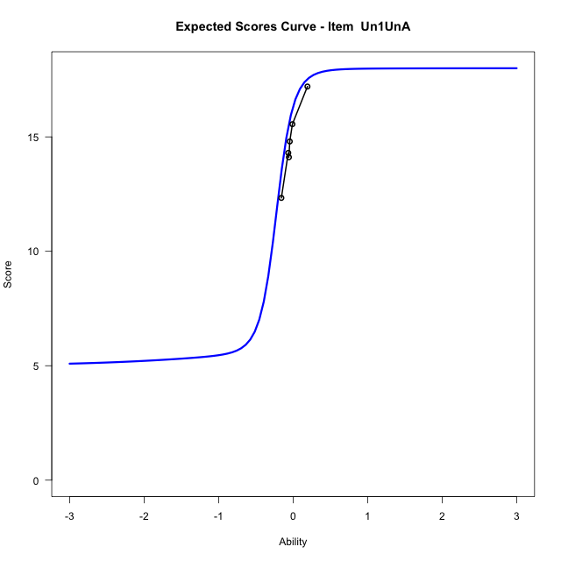
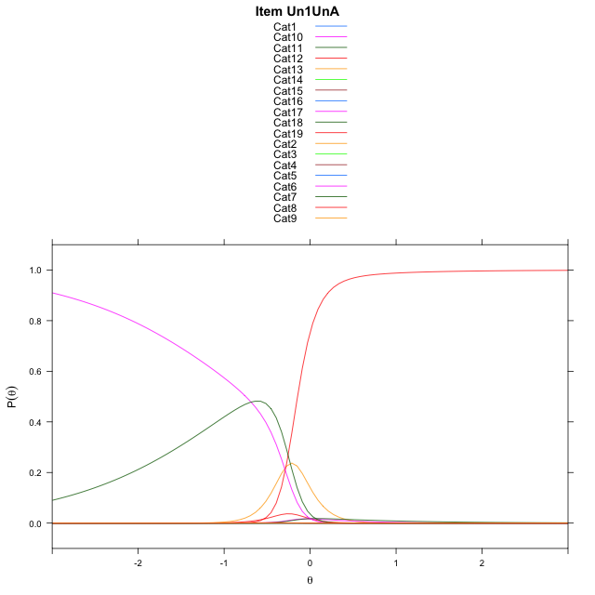
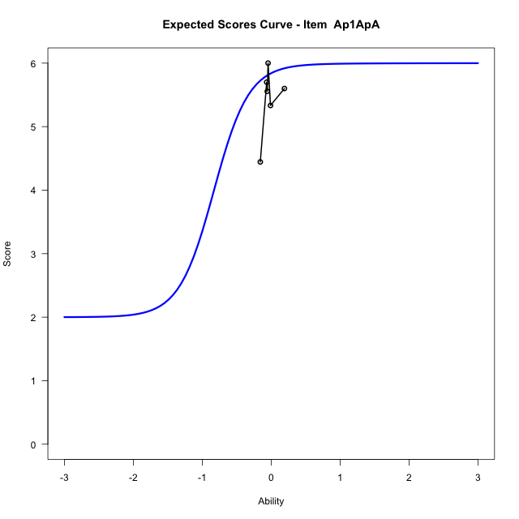
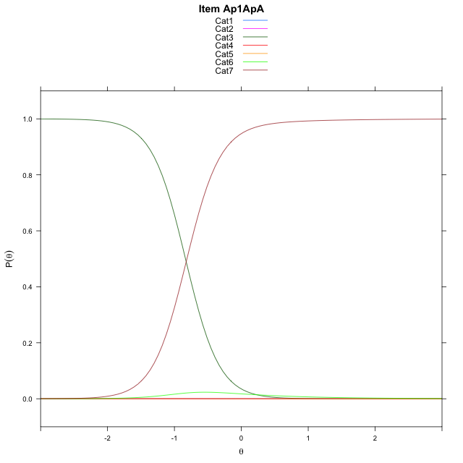
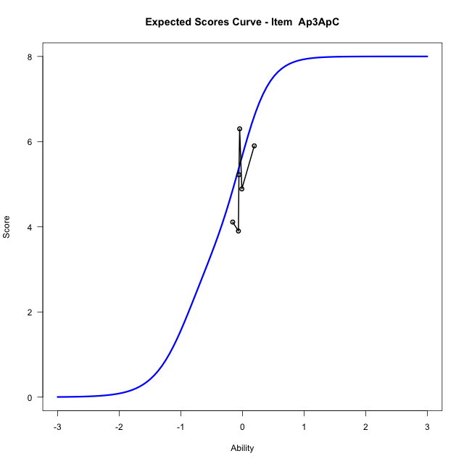
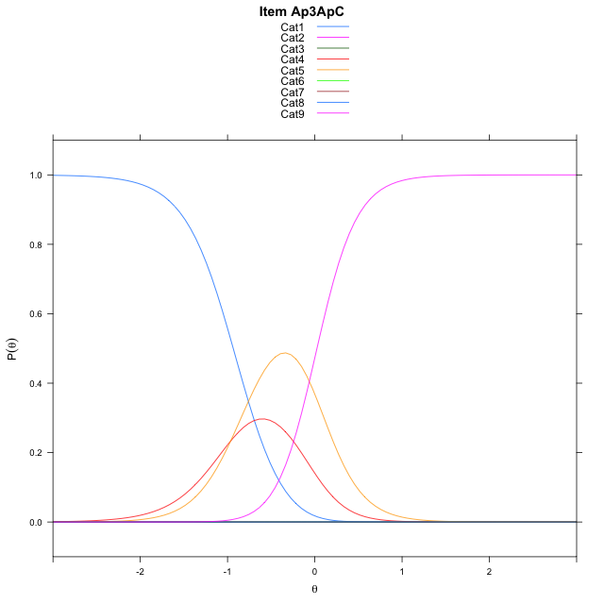
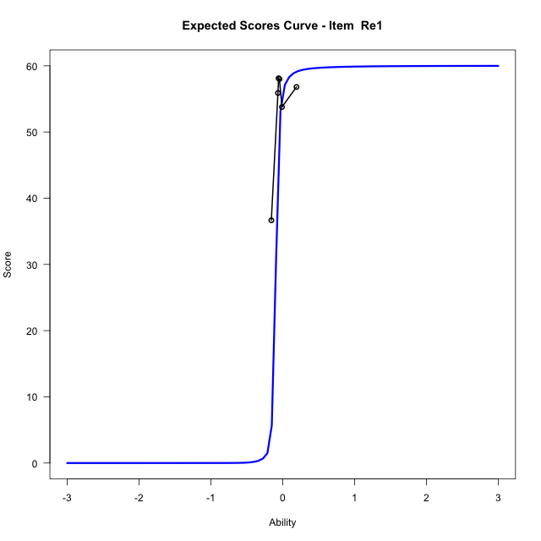
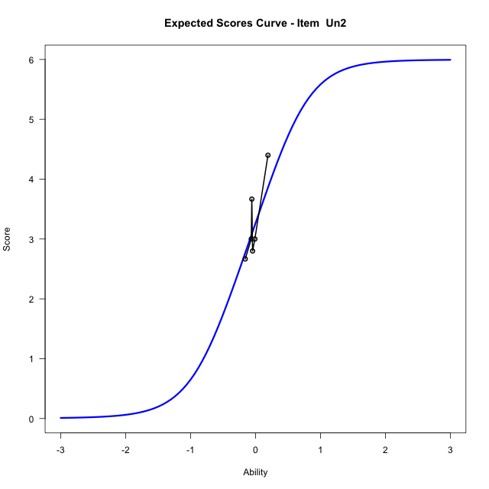

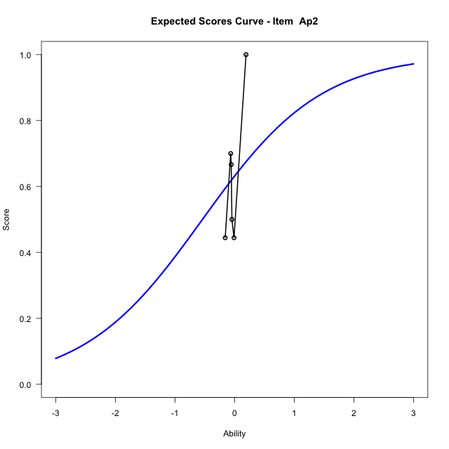
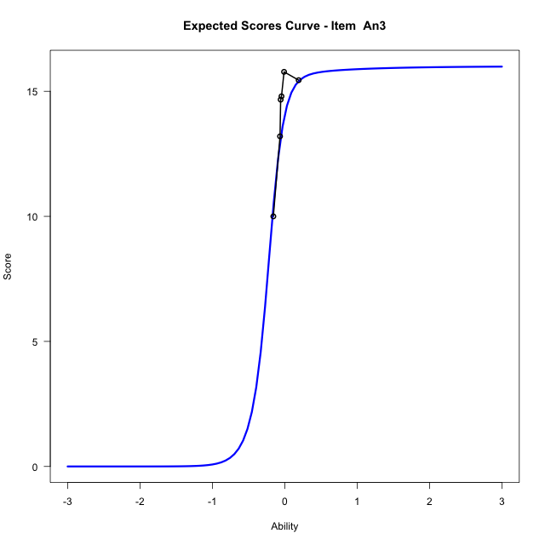

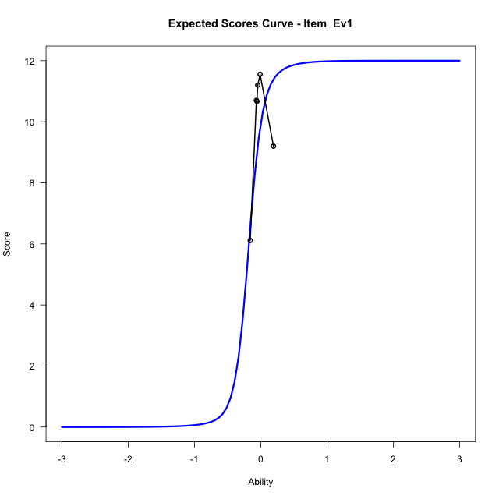
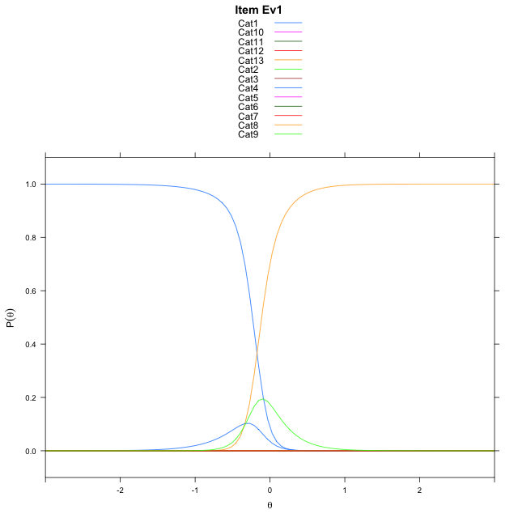
Estimate items information for the measurement model

Full Item Information
item | N | M | xsi.item | AXsi_.Cat1 | AXsi_.Cat2 | AXsi_.Cat3 | AXsi_.Cat4 | AXsi_.Cat5 | AXsi_.Cat6 | AXsi_.Cat7 | AXsi_.Cat8 | AXsi_.Cat9 | AXsi_.Cat10 | AXsi_.Cat11 | AXsi_.Cat12 | AXsi_.Cat13 | AXsi_.Cat14 | AXsi_.Cat15 | AXsi_.Cat16 | AXsi_.Cat17 | AXsi_.Cat18 | AXsi_.Cat19 | AXsi_.Cat20 | AXsi_.Cat21 | AXsi_.Cat22 | AXsi_.Cat23 | AXsi_.Cat24 | AXsi_.Cat25 | AXsi_.Cat26 | AXsi_.Cat27 | AXsi_.Cat28 | AXsi_.Cat29 | AXsi_.Cat30 | AXsi_.Cat31 | AXsi_.Cat32 | AXsi_.Cat33 | AXsi_.Cat34 | AXsi_.Cat35 | AXsi_.Cat36 | AXsi_.Cat37 | AXsi_.Cat38 | AXsi_.Cat39 | AXsi_.Cat40 | AXsi_.Cat41 | AXsi_.Cat42 | AXsi_.Cat43 | AXsi_.Cat44 | AXsi_.Cat45 | AXsi_.Cat46 | AXsi_.Cat47 | AXsi_.Cat48 | AXsi_.Cat49 | AXsi_.Cat50 | AXsi_.Cat51 | AXsi_.Cat52 | AXsi_.Cat53 | AXsi_.Cat54 | AXsi_.Cat55 | AXsi_.Cat56 | AXsi_.Cat57 | AXsi_.Cat58 | AXsi_.Cat59 | AXsi_.Cat60 | B.Cat1.Dim1 | B.Cat2.Dim1 | B.Cat3.Dim1 | B.Cat4.Dim1 | B.Cat5.Dim1 | B.Cat6.Dim1 | B.Cat7.Dim1 | B.Cat8.Dim1 | B.Cat9.Dim1 | B.Cat10.Dim1 | B.Cat11.Dim1 | B.Cat12.Dim1 | B.Cat13.Dim1 | B.Cat14.Dim1 | B.Cat15.Dim1 | B.Cat16.Dim1 | B.Cat17.Dim1 | B.Cat18.Dim1 | B.Cat19.Dim1 | B.Cat20.Dim1 | B.Cat21.Dim1 | B.Cat22.Dim1 | B.Cat23.Dim1 | B.Cat24.Dim1 | B.Cat25.Dim1 | B.Cat26.Dim1 | B.Cat27.Dim1 | B.Cat28.Dim1 | B.Cat29.Dim1 | B.Cat30.Dim1 | B.Cat31.Dim1 | B.Cat32.Dim1 | B.Cat33.Dim1 | B.Cat34.Dim1 | B.Cat35.Dim1 | B.Cat36.Dim1 | B.Cat37.Dim1 | B.Cat38.Dim1 | B.Cat39.Dim1 | B.Cat40.Dim1 | B.Cat41.Dim1 | B.Cat42.Dim1 | B.Cat43.Dim1 | B.Cat44.Dim1 | B.Cat45.Dim1 | B.Cat46.Dim1 | B.Cat47.Dim1 | B.Cat48.Dim1 | B.Cat49.Dim1 | B.Cat50.Dim1 | B.Cat51.Dim1 | B.Cat52.Dim1 | B.Cat53.Dim1 | B.Cat54.Dim1 | B.Cat55.Dim1 | B.Cat56.Dim1 | B.Cat57.Dim1 | B.Cat58.Dim1 | B.Cat59.Dim1 | B.Cat60.Dim1
Un1UnA | 57 | 14.754385965 | -10.392365619 | -32.975581804 | -61.301869858 | -93.855840869 | -131.2496894 | -183.30662705 | -183.99368468 | -178.75594177 | -176.96916029 | -176.91178554 | -178.35290783 | -183.29352235 | -185.37936642 | -179.55055226 | -178.73709442 | -179.34833428 | -183.27243421 | -183.30411343 | -187.06258115 |  |  |  |  |  |  |  |  |  |  |  |  |  |  |  |  |  |  |  |  |  |  |  |  |  |  |  |  |  |  |  |  |  |  |  |  |  |  |  |  |  |  | 1 | 2 | 3 | 4 | 5 | 6 | 7 | 8 | 9 | 10 | 11 | 12 | 13 | 14 | 15 | 16 | 17 | 18 | 0 | 0 | 0 | 0 | 0 | 0 | 0 | 0 | 0 | 0 | 0 | 0 | 0 | 0 | 0 | 0 | 0 | 0 | 0 | 0 | 0 | 0 | 0 | 0 | 0 | 0 | 0 | 0 | 0 | 0 | 0 | 0 | 0 | 0 | 0 | 0 | 0 | 0 | 0 | 0 | 0 | 0
Ap1ApA | 57 | 5.4561403509 | -12.97573869 | -30.309541203 | -74.558459877 | -67.754001119 | -67.870585367 | -73.862876823 | -77.854432137 |  |  |  |  |  |  |  |  |  |  |  |  |  |  |  |  |  |  |  |  |  |  |  |  |  |  |  |  |  |  |  |  |  |  |  |  |  |  |  |  |  |  |  |  |  |  |  |  |  |  |  |  |  |  | 1 | 2 | 3 | 4 | 5 | 6 | 0 | 0 | 0 | 0 | 0 | 0 | 0 | 0 | 0 | 0 | 0 | 0 | 0 | 0 | 0 | 0 | 0 | 0 | 0 | 0 | 0 | 0 | 0 | 0 | 0 | 0 | 0 | 0 | 0 | 0 | 0 | 0 | 0 | 0 | 0 | 0 | 0 | 0 | 0 | 0 | 0 | 0 | 0 | 0 | 0 | 0 | 0 | 0 | 0 | 0 | 0 | 0 | 0 | 0
Ap3ApC | 57 | 5.0701754386 | -0.41183259908 | 6.5234796738 | 6.3809353221 | -2.0797488281 | -3.0441568289 | 4.2230496835 | 5.4088365092 | 4.0380574758 | -3.2946607926 |  |  |  |  |  |  |  |  |  |  |  |  |  |  |  |  |  |  |  |  |  |  |  |  |  |  |  |  |  |  |  |  |  |  |  |  |  |  |  |  |  |  |  |  |  |  |  |  |  |  |  |  | 1 | 2 | 3 | 4 | 5 | 6 | 7 | 8 | 0 | 0 | 0 | 0 | 0 | 0 | 0 | 0 | 0 | 0 | 0 | 0 | 0 | 0 | 0 | 0 | 0 | 0 | 0 | 0 | 0 | 0 | 0 | 0 | 0 | 0 | 0 | 0 | 0 | 0 | 0 | 0 | 0 | 0 | 0 | 0 | 0 | 0 | 0 | 0 | 0 | 0 | 0 | 0 | 0 | 0 | 0 | 0 | 0 | 0 | 0 | 0
Re1 | 57 | 53.403508772 | -0.045861709504 | 4.5391875927 | 6.000668441 | 7.330444994 | 8.015590505 | 8.273621228 | 8.2047869903 | 7.6822934887 | 6.6971305225 | 5.700941465 | 3.7895782969 | 0.14374622722 | 3.6941117485 | 5.2862993043 | 6.2193515797 | 6.9023784185 | 7.5407461411 | 7.9381776012 | 8.2853961673 | 8.5484867161 | 8.7999954769 | 8.7179917922 | 8.7078343216 | 8.6157828773 | 8.3567276725 | 8.0900494735 | 7.603627818 | 6.9721862071 | 6.0541717414 | 4.8113202043 | 3.5479664263 | 0.016885183162 | 3.221699255 | 4.1470872478 | 3.4854462948 | 0.16982240567 | -0.1315640949 | 2.9158303683 | 4.6391868181 | 5.3697964901 | 5.3975687808 | 4.9126089272 | 3.5973075496 | 0.13678793505 | 0.27943183974 | 2.3157078449 | 0.32495203044 | -0.95419183131 | -1.9688471027 | 3.0467618303 | 4.8336138503 | 5.2847549725 | 4.7702861251 | 3.3906714355 | -0.68630618422 | 0.44413264106 | -0.62005127094 | -0.56546828151 | -0.88031200849 | -1.1701495031 | -2.7517025702 | 1 | 2 | 3 | 4 | 5 | 6 | 7 | 8 | 9 | 10 | 11 | 12 | 13 | 14 | 15 | 16 | 17 | 18 | 19 | 20 | 21 | 22 | 23 | 24 | 25 | 26 | 27 | 28 | 29 | 30 | 31 | 32 | 33 | 34 | 35 | 36 | 37 | 38 | 39 | 40 | 41 | 42 | 43 | 44 | 45 | 46 | 47 | 48 | 49 | 50 | 51 | 52 | 53 | 54 | 55 | 56 | 57 | 58 | 59 | 60
Un2 | 57 | 3.2631578947 | -0.089832750122 | 1.9459101491 | 1.2527629685 | -1.5198257537 | 1.2527629685 | 1.9459101491 | -0.53899650073 |  |  |  |  |  |  |  |  |  |  |  |  |  |  |  |  |  |  |  |  |  |  |  |  |  |  |  |  |  |  |  |  |  |  |  |  |  |  |  |  |  |  |  |  |  |  |  |  |  |  |  |  |  |  | 1 | 2 | 3 | 4 | 5 | 6 | 0 | 0 | 0 | 0 | 0 | 0 | 0 | 0 | 0 | 0 | 0 | 0 | 0 | 0 | 0 | 0 | 0 | 0 | 0 | 0 | 0 | 0 | 0 | 0 | 0 | 0 | 0 | 0 | 0 | 0 | 0 | 0 | 0 | 0 | 0 | 0 | 0 | 0 | 0 | 0 | 0 | 0 | 0 | 0 | 0 | 0 | 0 | 0 | 0 | 0 | 0 | 0 | 0 | 0
Ap2 | 57 | 0.63157894737 | -0.53899650073 | -0.53899650073 |  |  |  |  |  |  |  |  |  |  |  |  |  |  |  |  |  |  |  |  |  |  |  |  |  |  |  |  |  |  |  |  |  |  |  |  |  |  |  |  |  |  |  |  |  |  |  |  |  |  |  |  |  |  |  |  |  |  |  | 1 | 0 | 0 | 0 | 0 | 0 | 0 | 0 | 0 | 0 | 0 | 0 | 0 | 0 | 0 | 0 | 0 | 0 | 0 | 0 | 0 | 0 | 0 | 0 | 0 | 0 | 0 | 0 | 0 | 0 | 0 | 0 | 0 | 0 | 0 | 0 | 0 | 0 | 0 | 0 | 0 | 0 | 0 | 0 | 0 | 0 | 0 | 0 | 0 | 0 | 0 | 0 | 0 | 0 | 0 | 0 | 0 | 0 | 0 | 0
An3 | 55 | 14.054545455 | -0.21855807505 | 7.1534240693 | 8.4189862021 | 8.4772553832 | 7.1697585483 | 0.00050332574734 | -0.00035570672201 | -1.386516122 | -0.69026221639 | 5.3249406147 | 6.5515457187 | 6.7006487023 | 5.3141249016 | 0.0060326414553 | -1.0989019523 | -2.1976050294 | -3.4969292008 |  |  |  |  |  |  |  |  |  |  |  |  |  |  |  |  |  |  |  |  |  |  |  |  |  |  |  |  |  |  |  |  |  |  |  |  |  |  |  |  |  |  |  |  | 1 | 2 | 3 | 4 | 5 | 6 | 7 | 8 | 9 | 10 | 11 | 12 | 13 | 14 | 15 | 16 | 0 | 0 | 0 | 0 | 0 | 0 | 0 | 0 | 0 | 0 | 0 | 0 | 0 | 0 | 0 | 0 | 0 | 0 | 0 | 0 | 0 | 0 | 0 | 0 | 0 | 0 | 0 | 0 | 0 | 0 | 0 | 0 | 0 | 0 | 0 | 0 | 0 | 0 | 0 | 0 | 0 | 0 | 0 | 0
Ev1 | 57 | 9.9298245614 | -0.17314541848 | 6.7007985313 | 6.673471527 | 0.92296791231 | 6.6484478173 | 8.1820559638 | 8.2396719375 | 6.6164144 | -0.69022867973 | 5.9993609242 | 7.334465438 | 6.0405996384 | -2.0777450218 |  |  |  |  |  |  |  |  |  |  |  |  |  |  |  |  |  |  |  |  |  |  |  |  |  |  |  |  |  |  |  |  |  |  |  |  |  |  |  |  |  |  |  |  |  |  |  |  | 1 | 2 | 3 | 4 | 5 | 6 | 7 | 8 | 9 | 10 | 11 | 12 | 0 | 0 | 0 | 0 | 0 | 0 | 0 | 0 | 0 | 0 | 0 | 0 | 0 | 0 | 0 | 0 | 0 | 0 | 0 | 0 | 0 | 0 | 0 | 0 | 0 | 0 | 0 | 0 | 0 | 0 | 0 | 0 | 0 | 0 | 0 | 0 | 0 | 0 | 0 | 0 | 0 | 0 | 0 | 0 | 0 | 0 | 0 | 0

Thurstonian Thresholds (category-wise)
 | Cat1 | Cat2 | Cat3 | Cat4 | Cat5 | Cat6 | Cat7 | Cat8 | Cat9 | Cat10 | Cat11 | Cat12 | Cat13 | Cat14 | Cat15 | Cat16 | Cat17 | Cat18 | Cat19 | Cat20 | Cat21 | Cat22 | Cat23 | Cat24 | Cat25 | Cat26 | Cat27 | Cat28 | Cat29 | Cat30 | Cat31 | Cat32 | Cat33 | Cat34 | Cat35 | Cat36 | Cat37 | Cat38 | Cat39 | Cat40 | Cat41 | Cat42 | Cat43 | Cat44 | Cat45 | Cat46 | Cat47 | Cat48 | Cat49 | Cat50 | Cat51 | Cat52 | Cat53 | Cat54 | Cat55 | Cat56 | Cat57 | Cat58 | Cat59 | Cat60
Un1UnA | -11.999908447 | -11.999908447 | -11.999908447 | -11.999908447 | -11.999908447 | -0.74807739258 | -0.28079223633 | -0.28024291992 | -0.28005981445 | -0.28005981445 | -0.27987670898 | -0.26376342773 | -0.15975952148 | -0.15957641602 | -0.15957641602 | -0.15939331055 | -0.1526184082 | -0.14657592773
Ap1ApA | -11.999908447 | -11.999908447 | -0.83450317383 | -0.83432006836 | -0.83432006836 | -0.81326293945
Ap3ApC | -0.93466186523 | -0.93447875977 | -0.9342956543 | -0.56716918945 | 0.023895263672 | 0.024261474609 | 0.024261474609 | 0.024444580078
Re1 | -0.11489868164 | -0.11416625977 | -0.11416625977 | -0.11416625977 | -0.11416625977 | -0.11416625977 | -0.1139831543 | -0.1139831543 | -0.1139831543 | -0.1139831543 | -0.11343383789 | -0.098236083984 | -0.098052978516 | -0.097869873047 | -0.097869873047 | -0.097869873047 | -0.097869873047 | -0.097869873047 | -0.097869873047 | -0.097869873047 | -0.097869873047 | -0.097869873047 | -0.097869873047 | -0.097869873047 | -0.097869873047 | -0.097869873047 | -0.097869873047 | -0.097869873047 | -0.097869873047 | -0.097869873047 | -0.097686767578 | -0.094573974609 | -0.094390869141 | -0.094390869141 | -0.094390869141 | -0.092193603516 | -0.089447021484 | -0.089263916016 | -0.089263916016 | -0.089263916016 | -0.089263916016 | -0.089263916016 | -0.089263916016 | -0.087799072266 | -0.086517333984 | -0.086334228516 | -0.085235595703 | -0.081207275391 | -0.067291259766 | -0.067108154297 | -0.067108154297 | -0.067108154297 | -0.067108154297 | -0.067108154297 | -0.061798095703 | -0.059783935547 | -0.053375244141 | -0.045684814453 | -0.030853271484 | 0.0046691894531
Un2 | -0.59994506836 | -0.54830932617 | -0.48989868164 | 0.32601928711 | 0.37454223633 | 0.4104309082
Ap2 | -0.53897094727
An3 | -0.3459777832 | -0.3459777832 | -0.34579467773 | -0.34579467773 | -0.34579467773 | -0.30459594727 | -0.27529907227 | -0.19235229492 | -0.16305541992 | -0.16305541992 | -0.16305541992 | -0.16305541992 | -0.16305541992 | -0.15664672852 | -0.13888549805 | -0.072052001953
Ev1 | -0.23318481445 | -0.23300170898 | -0.23281860352 | -0.19271850586 | -0.19253540039 | -0.19253540039 | -0.19253540039 | -0.19253540039 | -0.11141967773 | -0.11123657227 | -0.11123657227 | -0.11123657227

Thurstonian Thresholds (item-wise)
 | Threshold
Un1UnA | -0.42736928676
Ap1ApA | -1.1290031131
Ap3ApC | -0.37684318597
Re1 | -0.28292719701
Un2 | -0.087999520994
Ap2 | -0.537696698
An3 | -0.27601163354
Ev1 | -0.24674858283

Item Infit/Outfit Statistic
parameter | Outfit | Outfit_t | Outfit_p | Outfit_pholm | Infit | Infit_t | Infit_p | Infit_pholm
Un1UnA_Cat1 | 0
Un1UnA_Cat2 | 0
Un1UnA_Cat3 | 0
Un1UnA_Cat4 | 0
Un1UnA_Cat5 | 0
Un1UnA_Cat6 | 0.017942311903 | -1.9568470837 | 0.050365449512 | 1 | 0.017942312007 | -1.9568470822 | 0.050365449695 | 1
Un1UnA_Cat7 | 0.68480775076 | -0.49360414958 | 0.62158576965 | 1 | 0.68480775214 | -0.49360414624 | 0.621585772 | 1
Un1UnA_Cat8 | 0.68266146882 | -0.50059260772 | 0.61665786603 | 1 | 0.68266147019 | -0.50059260439 | 0.61665786837 | 1
Un1UnA_Cat9 | 0.68230359279 | -0.50176210787 | 0.61583487035 | 1 | 0.68230359416 | -0.50176210455 | 0.61583487269 | 1
Un1UnA_Cat10 | 0.6819660973 | -0.50286611938 | 0.61505840305 | 1 | 0.68196609866 | -0.50286611606 | 0.61505840539 | 1
Un1UnA_Cat11 | 0.68054457803 | -0.50752807714 | 0.61178434111 | 1 | 0.68054457939 | -0.50752807382 | 0.61178434344 | 1
Un1UnA_Cat12 | 1.6872847802 | 1.4332861706 | 0.1517760725 | 1 | 1.6872847828 | 1.4332861747 | 0.15177607133 | 1
Un1UnA_Cat13 | 1.6724492402 | 3.0448065347 | 0.0023283002878 | 0.27706773425 | 1.6724492412 | 3.0448065384 | 0.0023283002584 | 0.27706773075
Un1UnA_Cat14 | 1.6690990179 | 3.0383886257 | 0.0023784700515 | 0.28065946608 | 1.6690990189 | 3.0383886295 | 0.0023784700216 | 0.28065946254
Un1UnA_Cat15 | 1.6676185976 | 3.0355433096 | 0.0024010273733 | 0.28092020267 | 1.6676185986 | 3.0355433134 | 0.0024010273431 | 0.28092019914
Un1UnA_Cat16 | 1.6648983092 | 3.0303000223 | 0.0024431091615 | 0.28340066274 | 1.6648983102 | 3.0303000261 | 0.0024431091308 | 0.28340065917
Un1UnA_Cat17 | 1.5933594771 | 2.9985615265 | 0.002712573803 | 0.31194598734 | 1.593359478 | 2.9985615303 | 0.0027125737685 | 0.31194598338
Un1UnA_Cat18 | 2.8241242377 | 7.9939476487 | 1.3068527103E-15 | 1.5682232524E-13 | 2.8241242393 | 7.9939476536 | 1.3068526586E-15 | 1.5682231903E-13
Ap1ApA_Cat1 | 175438596.49 |  |  |  | #DIV/0!
Ap1ApA_Cat2 | 175438596.49 |  |  |  | #DIV/0!
Ap1ApA_Cat3 | 2.4458692976 | 1.77979756 | 0.075109097093 | 1 | 2.4458693048 | 1.779797566 | 0.07510909612 | 1
Ap1ApA_Cat4 | 3.8871813011 | 2.7895844951 | 0.0052775723385 | 0.57169890406 | 3.8871813125 | 2.7895845021 | 0.0052775722254 | 0.57169875857
Ap1ApA_Cat5 | 3.8822543295 | 2.7882275354 | 0.0052997306533 | 0.57169890406 | 3.8822543409 | 2.7882275423 | 0.0052997305399 | 0.57169875857
Ap1ApA_Cat6 | 2.5725299793 | 2.2702105418 | 0.023194811698 | 1 | 2.5725299845 | 2.270210547 | 0.023194811384 | 1
Ap3ApC_Cat1 | 4.9288311918 | 2.4872552567 | 0.012873299585 | 1 | 4.9288312204 | 2.4872552668 | 0.012873299218 | 1
Ap3ApC_Cat2 | 4.9215231767 | 2.4860836074 | 0.012915761779 | 1 | 4.9215232052 | 2.4860836176 | 0.012915761411 | 1
Ap3ApC_Cat3 | 4.9131221978 | 2.4847331671 | 0.012964857292 | 1 | 4.9131222262 | 2.4847331772 | 0.012964856923 | 1
Ap3ApC_Cat4 | 1.2701712346 | 1.084945435 | 0.27794582299 | 1 | 1.2701712355 | 1.0849454383 | 0.27794582153 | 1
Ap3ApC_Cat5 | 0.98151303949 | -1.330943746 | 0.18320752152 | 1 | 0.98151303989 | -1.3309437174 | 0.18320753094 | 1
Ap3ApC_Cat6 | 0.98138566482 | -1.3270804826 | 0.18448206083 | 1 | 0.98138566521 | -1.3270804543 | 0.18448207021 | 1
Ap3ApC_Cat7 | 0.98134695785 | -1.3259001034 | 0.18487278877 | 1 | 0.98134695824 | -1.3259000751 | 0.18487279813 | 1
Ap3ApC_Cat8 | 0.98119545452 | -1.3212506848 | 0.18641779136 | 1 | 0.98119545492 | -1.3212506568 | 0.18641780067 | 1
Re1_Cat1 | 24.757863275 | 2.812543917 | 0.004915131111 | 0.56032494665 | 24.757866774 | 2.8125439999 | 0.004915129845 | 0.56032480232
Re1_Cat2 | 24.483677715 | 2.8032347887 | 0.0050592823368 | 0.57169890406 | 24.483681137 | 2.8032348708 | 0.0050592810493 | 0.57169875857
Re1_Cat3 | 24.417875203 | 2.8009909406 | 0.0050945949224 | 0.57169890406 | 24.417878606 | 2.8009910225 | 0.0050945936296 | 0.57169875857
Re1_Cat4 | 24.39952369 | 2.8003644812 | 0.0051044935381 | 0.57169890406 | 24.399527088 | 2.800364563 | 0.0051044922438 | 0.57169875857
Re1_Cat5 | 24.389796687 | 2.8000323136 | 0.0051097491307 | 0.57169890406 | 24.389800083 | 2.8000323954 | 0.0051097478357 | 0.57169875857
Re1_Cat6 | 24.381875358 | 2.7997617464 | 0.0051140336884 | 0.57169890406 | 24.381878751 | 2.7997618282 | 0.0051140323928 | 0.57169875857
Re1_Cat7 | 24.372920869 | 2.7994558233 | 0.0051188820359 | 0.57169890406 | 24.37292426 | 2.799455905 | 0.0051188807396 | 0.57169875857
Re1_Cat8 | 24.356972559 | 2.7989107865 | 0.0051275302123 | 0.57169890406 | 24.356975946 | 2.7989108682 | 0.0051275289146 | 0.57169875857
Re1_Cat9 | 24.311965012 | 2.797371432 | 0.0051520267283 | 0.57169890406 | 24.311968386 | 2.7973715136 | 0.005152025427 | 0.57169875857
Re1_Cat10 | 24.183637584 | 2.7929724815 | 0.0052226134669 | 0.57169890406 | 24.183640923 | 2.7929725627 | 0.0052226121554 | 0.57169875857
Re1_Cat11 | 23.302733763 | 2.762369674 | 0.0057383465734 | 0.58531135048 | 23.302736862 | 2.7623697527 | 0.0057383451888 | 0.58531120926
Re1_Cat12 | 18.635381478 | 2.6415001075 | 0.0082539780971 | 0.83365178781 | 18.635382472 | 2.6415001539 | 0.0082539769668 | 0.83365167365
Re1_Cat13 | 18.304426107 | 2.6314105548 | 0.0085031246566 | 0.85031246566 | 18.304427065 | 2.6314106005 | 0.0085031235129 | 0.85031235129
Re1_Cat14 | 18.234371557 | 2.6292548217 | 0.008557221232 | 0.85031246566 | 18.234372508 | 2.6292548673 | 0.0085572200855 | 0.85031235129
Re1_Cat15 | 18.205125567 | 2.6283527485 | 0.0085799492825 | 0.85031246566 | 18.205126515 | 2.628352794 | 0.0085799481347 | 0.85031235129
Re1_Cat16 | 18.189419074 | 2.6278677767 | 0.0085921906088 | 0.85031246566 | 18.18942002 | 2.6278678222 | 0.0085921894604 | 0.85031235129
Re1_Cat17 | 18.180580743 | 2.6275947155 | 0.0085990899008 | 0.85031246566 | 18.180581689 | 2.627594761 | 0.008599088752 | 0.85031235129
Re1_Cat18 | 18.174247052 | 2.627398965 | 0.008604038872 | 0.85031246566 | 18.174247997 | 2.6273990105 | 0.0086040377229 | 0.85031235129
Re1_Cat19 | 18.169471502 | 2.6272513319 | 0.0086077730214 | 0.85031246566 | 18.169472447 | 2.6272513774 | 0.0086077718722 | 0.85031235129
Re1_Cat20 | 18.165553577 | 2.6271301867 | 0.0086108382823 | 0.85031246566 | 18.165554521 | 2.6271302322 | 0.0086108371329 | 0.85031235129
Re1_Cat21 | 18.162301058 | 2.6270295993 | 0.008613384125 | 0.85031246566 | 18.162302002 | 2.6270296447 | 0.0086133829755 | 0.85031235129
Re1_Cat22 | 18.158530783 | 2.6269129803 | 0.0086163365644 | 0.85031246566 | 18.158531727 | 2.6269130257 | 0.0086163354148 | 0.85031235129
Re1_Cat23 | 18.154463597 | 2.626787154 | 0.0086195231184 | 0.85031246566 | 18.15446454 | 2.6267871994 | 0.0086195219686 | 0.85031235129
Re1_Cat24 | 18.149701538 | 2.6266397997 | 0.008623256212 | 0.85031246566 | 18.14970248 | 2.626639845 | 0.008623255062 | 0.85031235129
Re1_Cat25 | 18.143112143 | 2.6264358462 | 0.0086284255775 | 0.85031246566 | 18.143113084 | 2.6264358916 | 0.0086284244272 | 0.85031235129
Re1_Cat26 | 18.133924036 | 2.6261513513 | 0.0086356409579 | 0.85031246566 | 18.133924977 | 2.6261513967 | 0.0086356398073 | 0.85031235129
Re1_Cat27 | 18.117967918 | 2.6256570001 | 0.0086481915596 | 0.85031246566 | 18.117968858 | 2.6256570454 | 0.0086481904083 | 0.85031235129
Re1_Cat28 | 18.085956777 | 2.6246640984 | 0.0086734486405 | 0.85031246566 | 18.085957713 | 2.6246641437 | 0.0086734474879 | 0.85031235129
Re1_Cat29 | 18.0006599 | 2.6220109752 | 0.0087412615961 | 0.85031246566 | 18.000660827 | 2.6220110203 | 0.00874126044 | 0.85031235129
Re1_Cat30 | 17.690197201 | 2.612261121 | 0.0089945525593 | 0.85031246566 | 17.690198097 | 2.6122611654 | 0.0089945513902 | 0.85031235129
Re1_Cat31 | 16.606108944 | 2.576992724 | 0.0099664048505 | 0.85031246566 | 16.606109733 | 2.5769927661 | 0.0099664036347 | 0.85031235129
Re1_Cat32 | 7.7457251921 | 2.3720621712 | 0.017689113954 | 1 | 7.7457253076 | 2.3720621897 | 0.017689113069 | 1
Re1_Cat33 | 7.5231821488 | 2.3551759788 | 0.018513935561 | 1 | 7.5231822578 | 2.3551759968 | 0.018513934662 | 1
Re1_Cat34 | 7.4335217658 | 2.3481743861 | 0.018865686284 | 1 | 7.4335218722 | 2.3481744039 | 0.018865685378 | 1
Re1_Cat35 | 7.2547672293 | 2.3338553625 | 0.019603296745 | 1 | 7.2547673307 | 2.33385538 | 0.019603295827 | 1
Re1_Cat36 | 5.6231583007 | 2.3860390335 | 0.017030943309 | 1 | 5.6231583468 | 2.386039046 | 0.017030942732 | 1
Re1_Cat37 | 4.4067350331 | 2.3955452015 | 0.016595667854 | 1 | 4.406735056 | 2.3955452108 | 0.016595667433 | 1
Re1_Cat38 | 4.3265264755 | 2.3798388902 | 0.017320208757 | 1 | 4.3265264976 | 2.3798388994 | 0.017320208326 | 1
Re1_Cat39 | 4.3118077955 | 2.37690389 | 0.017458636421 | 1 | 4.3118078174 | 2.3769038991 | 0.017458635988 | 1
Re1_Cat40 | 4.3043717869 | 2.3754147405 | 0.017529241561 | 1 | 4.3043718088 | 2.3754147496 | 0.017529241127 | 1
Re1_Cat41 | 4.2967677515 | 2.373887498 | 0.017601912694 | 1 | 4.2967677733 | 2.3738875071 | 0.01760191226 | 1
Re1_Cat42 | 4.2837645381 | 2.371265377 | 0.01772729773 | 1 | 4.2837645598 | 2.3712653861 | 0.017727297294 | 1
Re1_Cat43 | 4.2331539808 | 2.3609319137 | 0.01822907708 | 1 | 4.233154002 | 2.3609319227 | 0.018229076637 | 1
Re1_Cat44 | 3.6162728748 | 2.3875753182 | 0.016959927175 | 1 | 3.6162728879 | 2.3875753256 | 0.016959926834 | 1
Re1_Cat45 | 3.3242547172 | 2.4579543563 | 0.013973093207 | 1 | 3.3242547268 | 2.4579543628 | 0.013973092953 | 1
Re1_Cat46 | 3.2312440766 | 2.4249187022 | 0.015311815224 | 1 | 3.2312440857 | 2.4249187086 | 0.015311814955 | 1
Re1_Cat47 | 3.0271320479 | 2.4948789023 | 0.012600012284 | 1 | 3.027132055 | 2.4948789081 | 0.012600012078 | 1
Re1_Cat48 | 2.0306402814 | 2.0036105464 | 0.045111795237 | 1 | 2.0306402843 | 2.0036105507 | 0.045111794779 | 1
Re1_Cat49 | 1.5305269196 | 1.934192714 | 0.053089437882 | 1 | 1.5305269207 | 1.9341927175 | 0.053089437453 | 1
Re1_Cat50 | 1.5249267979 | 1.9228758838 | 0.054495639109 | 1 | 1.5249267991 | 1.9228758873 | 0.054495638671 | 1
Re1_Cat51 | 1.5239012254 | 1.9207934346 | 0.054757754513 | 1 | 1.5239012265 | 1.9207934381 | 0.054757754074 | 1
Re1_Cat52 | 1.5231810999 | 1.9193293501 | 0.054942665843 | 1 | 1.523181101 | 1.9193293536 | 0.054942665403 | 1
Re1_Cat53 | 1.5218512844 | 1.916621679 | 0.055286011822 | 1 | 1.5218512855 | 1.9166216825 | 0.05528601138 | 1
Re1_Cat54 | 1.5160714179 | 1.904792022 | 0.056807111353 | 1 | 1.516071419 | 1.9047920255 | 0.0568071109 | 1
Re1_Cat55 | 1.4231816113 | 1.9666341147 | 0.04922540756 | 1 | 1.4231816122 | 1.9666341182 | 0.049225407151 | 1
Re1_Cat56 | 1.3918516126 | 1.9755854502 | 0.048201747869 | 1 | 1.3918516134 | 1.9755854538 | 0.04820174746 | 1
Re1_Cat57 | 1.3028302353 | 1.9819491175 | 0.04748493581 | 1 | 1.3028302359 | 1.9819491214 | 0.047484935368 | 1
Re1_Cat58 | 1.2252303603 | 1.9786412548 | 0.047856411344 | 1 | 1.2252303608 | 1.9786412594 | 0.047856410824 | 1
Re1_Cat59 | 1.1287074091 | 1.9267219676 | 0.054014288673 | 1 | 1.1287074096 | 1.9267219744 | 0.054014287824 | 1
Re1_Cat60 | 1.0172534476 | 1.7339094945 | 0.08293414298 | 1 | 1.017253448 | 1.7339095351 | 0.082934135768 | 1
Un2_Cat1 | 0.99999999907 | 0.10147889693 | 0.91917030888 | 1 | 1 | 0.10147889997 | 0.91917030646 | 1
Un2_Cat2 | 0.99999999917 | 0.091428611918 | 0.92715202793 | 1 | 1 | 0.09142861494 | 0.92715202553 | 1
Un2_Cat3 | 0.99999999931 | 0.075351880461 | 0.93993474414 | 1 | 1 | 0.075351883519 | 0.9399347417 | 1
Un2_Cat4 | 0.99999999948 | 0.047493565395 | 0.96211985862 | 1 | 1 | 0.047493569015 | 0.96211985574 | 1
Un2_Cat5 | 0.99999999943 | 0.057227526055 | 0.95436395146 | 1 | 1 | 0.057227529364 | 0.95436394883 | 1
Un2_Cat6 | 0.9999999994 | 0.062698673873 | 0.95000645341 | 1 | 1 | 0.062698677072 | 0.95000645087 | 1
Ap2_Cat1 | 0.99999999957 | 0.024086382095 | 0.98078370569 | 1 | 1 | 0.024086388042 | 0.98078370094 | 1
An3_Cat1 | 1.0024984868 | 0.32717197014 | 0.74353781988 | 1 | 1.0024984925 | 0.32717197591 | 0.74353781552 | 1
An3_Cat2 | 1.0017384357 | 0.32626081395 | 0.74422703342 | 1 | 1.0017384413 | 0.32626081972 | 0.74422702905 | 1
An3_Cat3 | 1.0015244373 | 0.32600407439 | 0.74442127247 | 1 | 1.0015244429 | 0.32600408016 | 0.74442126811 | 1
An3_Cat4 | 1.0013224826 | 0.32576170483 | 0.74460465467 | 1 | 1.0013224882 | 0.3257617106 | 0.74460465031 | 1
An3_Cat5 | 1.0005749886 | 0.32486395362 | 0.74528403927 | 1 | 1.0005749942 | 0.32486395938 | 0.7452840349 | 1
An3_Cat6 | 1.0005533147 | 0.22354546892 | 0.82311099924 | 1 | 1.0005533176 | 0.2235454732 | 0.82311099591 | 1
An3_Cat7 | 1.0002042348 | 0.17674070826 | 0.85971206363 | 1 | 1.0002042367 | 0.17674071193 | 0.85971206075 | 1
An3_Cat8 | 0.99983171906 | 0.099960390748 | 0.92037577149 | 1 | 0.99983171996 | 0.099960393733 | 0.92037576913 | 1
An3_Cat9 | 1.0003428546 | 0.083161812875 | 0.93372287643 | 1 | 1.0003428553 | 0.083161815856 | 0.93372287406 | 1
An3_Cat10 | 0.99991210121 | 0.081366823631 | 0.93515023251 | 1 | 0.99991210194 | 0.081366826611 | 0.93515023014 | 1
An3_Cat11 | 0.99978609019 | 0.080841307154 | 0.9355681572 | 1 | 0.99978609092 | 0.080841310134 | 0.93556815483 | 1
An3_Cat12 | 0.99967759462 | 0.080388685801 | 0.9359281252 | 1 | 0.99967759535 | 0.080388688781 | 0.93592812283 | 1
An3_Cat13 | 0.99924336922 | 0.078575782192 | 0.93737005098 | 1 | 0.99924336995 | 0.078575785172 | 0.93737004861 | 1
An3_Cat14 | 0.99982221639 | 0.073342578706 | 0.94153351001 | 1 | 0.99982221706 | 0.073342581728 | 0.9415335076 | 1
An3_Cat15 | 0.99988873873 | 0.05510647005 | 0.95605364162 | 1 | 0.99988873929 | 0.055106473361 | 0.95605363899 | 1
An3_Cat16 | 0.9999775908 | 0.017937054364 | 0.98568906866 | 1 | 0.99997759122 | 0.017937061935 | 0.98568906262 | 1
Ev1_Cat1 | 1.0029054877 | 0.13646925924 | 0.89145032474 | 1 | 1.002905489 | 0.13646926248 | 0.89145032218 | 1
Ev1_Cat2 | 1.0017945822 | 0.13350133026 | 0.8937969123 | 1 | 1.0017945834 | 0.1335013335 | 0.89379690973 | 1
Ev1_Cat3 | 1.0006551551 | 0.13045003442 | 0.89621038301 | 1 | 1.0006551564 | 0.13045003766 | 0.89621038044 | 1
Ev1_Cat4 | 1.0025172069 | 0.1099462527 | 0.91245200052 | 1 | 1.0025172079 | 0.10994625575 | 0.91245199809 | 1
Ev1_Cat5 | 1.0017204367 | 0.10727158497 | 0.91457352635 | 1 | 1.0017204376 | 0.10727158802 | 0.91457352393 | 1
Ev1_Cat6 | 1.0015487758 | 0.10669467319 | 0.91503120866 | 1 | 1.0015487767 | 0.10669467624 | 0.91503120624 | 1
Ev1_Cat7 | 1.0013866958 | 0.10614974395 | 0.91546354409 | 1 | 1.0013866967 | 0.106149747 | 0.91546354167 | 1
Ev1_Cat8 | 1.000565077 | 0.10338413273 | 0.91765810491 | 1 | 1.000565078 | 0.10338413578 | 0.91765810249 | 1
Ev1_Cat9 | 1.0009584217 | 0.047233270308 | 0.96232731123 | 1 | 1.0009584222 | 0.047233274391 | 0.96232730798 | 1
Ev1_Cat10 | 1.0005377825 | 0.043600808529 | 0.9652226072 | 1 | 1.000537783 | 0.043600812615 | 0.96522260394 | 1
Ev1_Cat11 | 1.0004273444 | 0.042645401262 | 0.96598420342 | 1 | 1.0004273448 | 0.042645405349 | 0.96598420016 | 1
Ev1_Cat12 | 1.0000248591 | 0.039157424682 | 0.96876487777 | 1 | 1.0000248595 | 0.039157428772 | 0.9687648745 | 1

Box plot of expected curves

stacking-pos-Estimate-Items
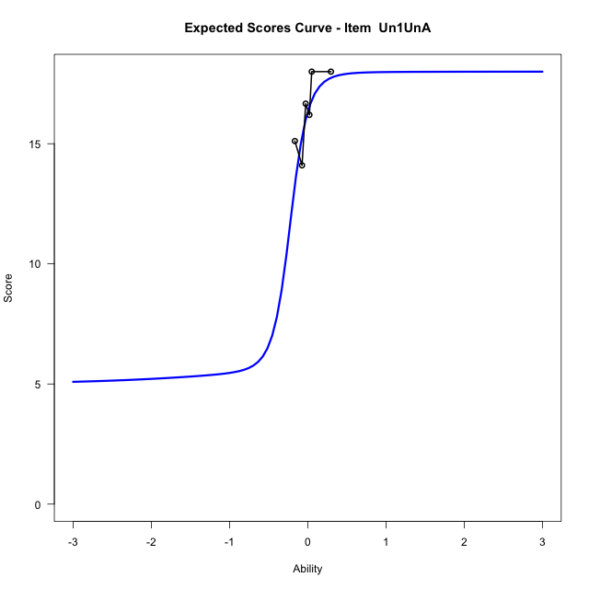
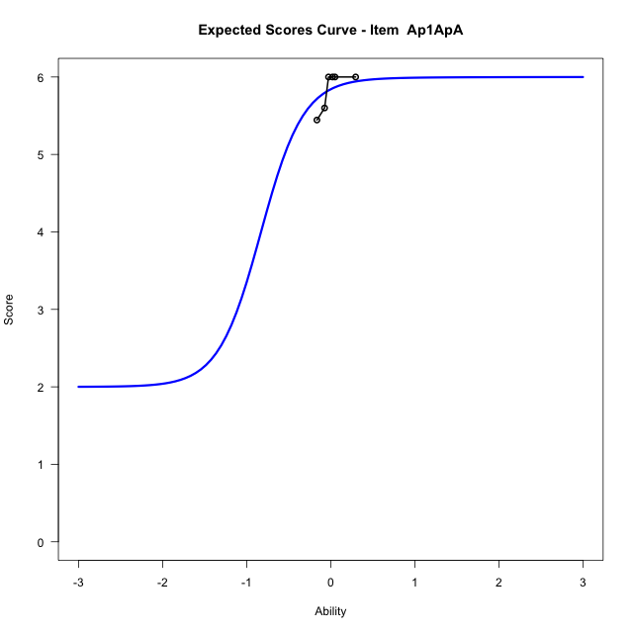
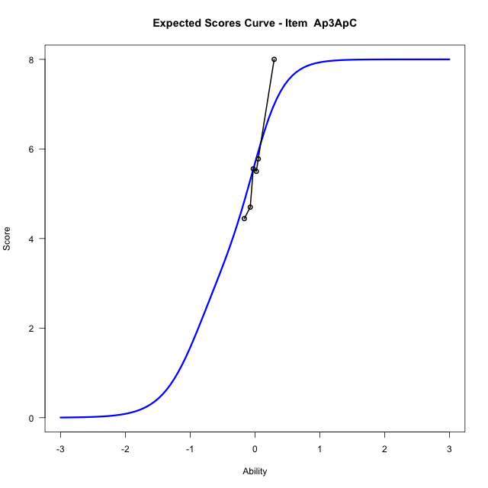
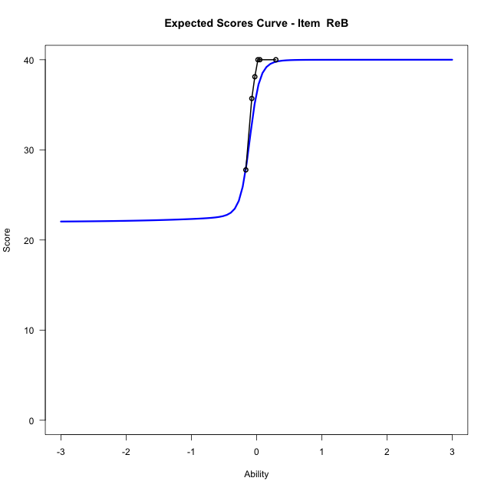
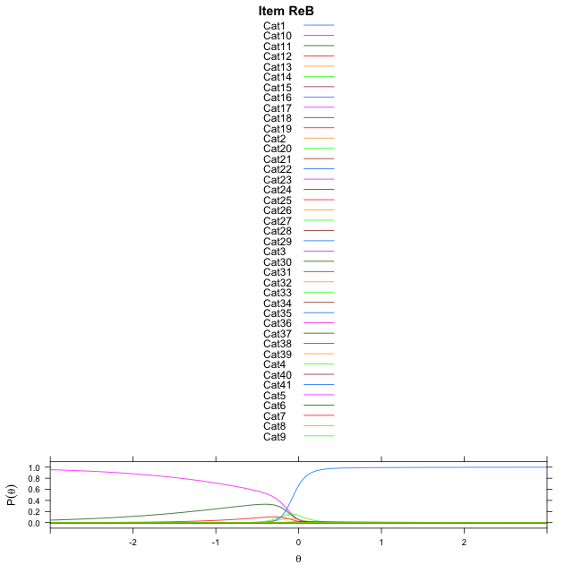
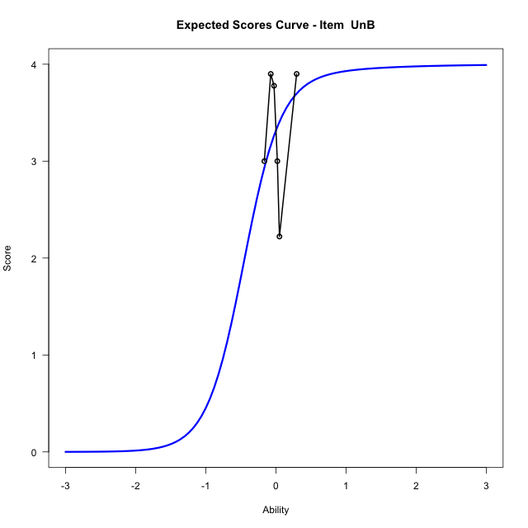


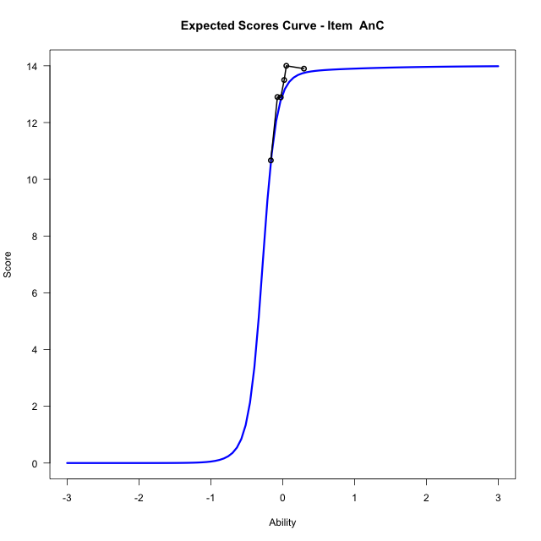

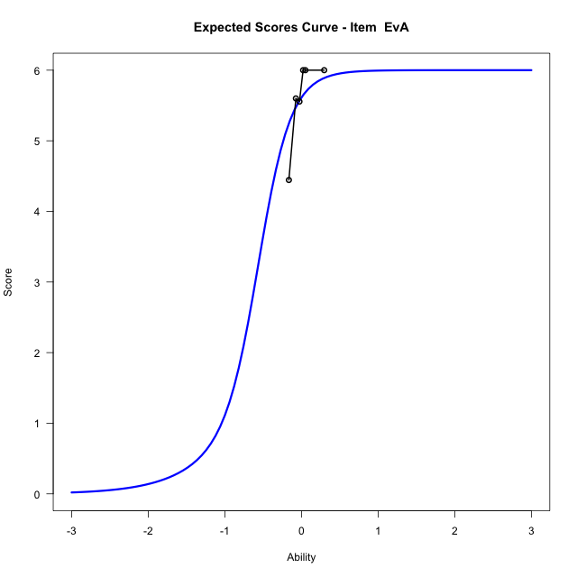
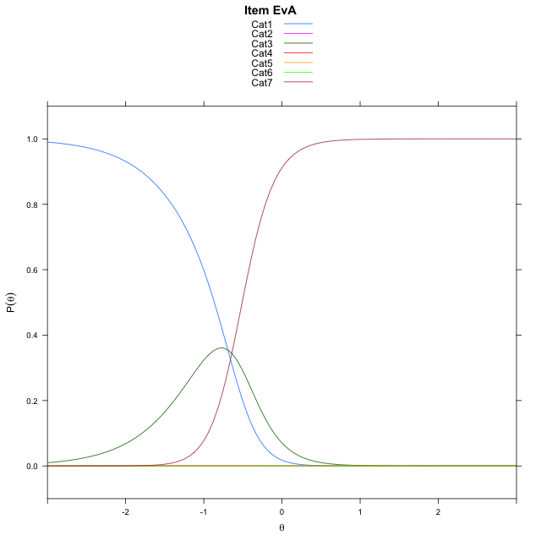
Estimate items information for the measurement model

Full Item Information
item | N | M | xsi.item | AXsi_.Cat1 | AXsi_.Cat2 | AXsi_.Cat3 | AXsi_.Cat4 | AXsi_.Cat5 | AXsi_.Cat6 | AXsi_.Cat7 | AXsi_.Cat8 | AXsi_.Cat9 | AXsi_.Cat10 | AXsi_.Cat11 | AXsi_.Cat12 | AXsi_.Cat13 | AXsi_.Cat14 | AXsi_.Cat15 | AXsi_.Cat16 | AXsi_.Cat17 | AXsi_.Cat18 | AXsi_.Cat19 | AXsi_.Cat20 | AXsi_.Cat21 | AXsi_.Cat22 | AXsi_.Cat23 | AXsi_.Cat24 | AXsi_.Cat25 | AXsi_.Cat26 | AXsi_.Cat27 | AXsi_.Cat28 | AXsi_.Cat29 | AXsi_.Cat30 | AXsi_.Cat31 | AXsi_.Cat32 | AXsi_.Cat33 | AXsi_.Cat34 | AXsi_.Cat35 | AXsi_.Cat36 | AXsi_.Cat37 | AXsi_.Cat38 | AXsi_.Cat39 | AXsi_.Cat40 | B.Cat1.Dim1 | B.Cat2.Dim1 | B.Cat3.Dim1 | B.Cat4.Dim1 | B.Cat5.Dim1 | B.Cat6.Dim1 | B.Cat7.Dim1 | B.Cat8.Dim1 | B.Cat9.Dim1 | B.Cat10.Dim1 | B.Cat11.Dim1 | B.Cat12.Dim1 | B.Cat13.Dim1 | B.Cat14.Dim1 | B.Cat15.Dim1 | B.Cat16.Dim1 | B.Cat17.Dim1 | B.Cat18.Dim1 | B.Cat19.Dim1 | B.Cat20.Dim1 | B.Cat21.Dim1 | B.Cat22.Dim1 | B.Cat23.Dim1 | B.Cat24.Dim1 | B.Cat25.Dim1 | B.Cat26.Dim1 | B.Cat27.Dim1 | B.Cat28.Dim1 | B.Cat29.Dim1 | B.Cat30.Dim1 | B.Cat31.Dim1 | B.Cat32.Dim1 | B.Cat33.Dim1 | B.Cat34.Dim1 | B.Cat35.Dim1 | B.Cat36.Dim1 | B.Cat37.Dim1 | B.Cat38.Dim1 | B.Cat39.Dim1 | B.Cat40.Dim1
Un1UnA | 57 | 16.333333333 | -10.392972178 | -32.975581804 | -61.301869858 | -93.855840869 | -131.2496894 | -183.30662705 | -183.99469353 | -178.75916179 | -176.97364283 | -176.91729441 | -178.35912092 | -183.29994745 | -185.38667185 | -179.55991944 | -178.74702763 | -179.35862913 | -183.2824904 | -183.31460686 | -187.0734992 |  |  |  |  |  |  |  |  |  |  |  |  |  |  |  |  |  |  |  |  |  |  | 1 | 2 | 3 | 4 | 5 | 6 | 7 | 8 | 9 | 10 | 11 | 12 | 13 | 14 | 15 | 16 | 17 | 18 | 0 | 0 | 0 | 0 | 0 | 0 | 0 | 0 | 0 | 0 | 0 | 0 | 0 | 0 | 0 | 0 | 0 | 0 | 0 | 0 | 0 | 0
Ap1ApA | 57 | 5.8421052632 | -12.892760866 | -30.059540852 | -74.058459174 | -67.255845456 | -67.372777298 | -73.364814653 | -77.356565197 |  |  |  |  |  |  |  |  |  |  |  |  |  |  |  |  |  |  |  |  |  |  |  |  |  |  |  |  |  |  |  |  |  |  | 1 | 2 | 3 | 4 | 5 | 6 | 0 | 0 | 0 | 0 | 0 | 0 | 0 | 0 | 0 | 0 | 0 | 0 | 0 | 0 | 0 | 0 | 0 | 0 | 0 | 0 | 0 | 0 | 0 | 0 | 0 | 0 | 0 | 0 | 0 | 0 | 0 | 0 | 0 | 0
Ap3ApC | 57 | 5.6842105263 | -0.41235570776 | 6.5217867659 | 6.3789143217 | -2.0816168746 | -3.0462875381 | 4.2192111703 | 5.4046031681 | 4.033612399 | -3.2988456621 |  |  |  |  |  |  |  |  |  |  |  |  |  |  |  |  |  |  |  |  |  |  |  |  |  |  |  |  |  |  |  |  | 1 | 2 | 3 | 4 | 5 | 6 | 7 | 8 | 0 | 0 | 0 | 0 | 0 | 0 | 0 | 0 | 0 | 0 | 0 | 0 | 0 | 0 | 0 | 0 | 0 | 0 | 0 | 0 | 0 | 0 | 0 | 0 | 0 | 0 | 0 | 0 | 0 | 0 | 0 | 0
ReB | 57 | 37.01754386 | -13.414451957 | -20.062619901 | -40.125239798 | -61.060315165 | -81.247935059 | -101.51888831 | -123.34508897 | -144.68971278 | -165.52389204 | -185.91982519 | -206.31574093 | -227.12653025 | -248.99358295 | -269.85016728 | -290.67555395 | -312.01753583 | -334.37238505 | -358.66453943 | -385.21170409 | -416.55968814 | -445.77704183 | -479.06385243 | -533.31926959 | -533.31630089 | -532.53707578 | -528.06268175 | -526.48847318 | -525.77609127 | -525.68489276 | -526.56991319 | -528.5422745 | -533.76873987 | -534.65310897 | -529.34028754 | -527.7435589 | -526.52197263 | -526.50012405 | -527.31058795 | -529.55048972 | -532.69006321 | -536.5780783 | 1 | 2 | 3 | 4 | 5 | 6 | 7 | 8 | 9 | 10 | 11 | 12 | 13 | 14 | 15 | 16 | 17 | 18 | 19 | 20 | 21 | 22 | 23 | 24 | 25 | 26 | 27 | 28 | 29 | 30 | 31 | 32 | 33 | 34 | 35 | 36 | 37 | 38 | 39 | 40
UnB | 57 | 3.3157894737 | -0.41507402631 | 6.7976219636 | 6.9802239324 | 0.13273336485 | -1.6602961052 |  |  |  |  |  |  |  |  |  |  |  |  |  |  |  |  |  |  |  |  |  |  |  |  |  |  |  |  |  |  |  |  |  |  |  |  | 1 | 2 | 3 | 4 | 0 | 0 | 0 | 0 | 0 | 0 | 0 | 0 | 0 | 0 | 0 | 0 | 0 | 0 | 0 | 0 | 0 | 0 | 0 | 0 | 0 | 0 | 0 | 0 | 0 | 0 | 0 | 0 | 0 | 0 | 0 | 0 | 0 | 0 | 0 | 0
...
Item Infit/Outfit Statistic
AnC_Cat14 | 0.99981208868 | 0.037309682901 | 0.97023808503 | 1 | 0.99981208916 | 0.037309686992 | 0.97023808177 | 1
EvA_Cat1 | 1.0002305238 | 0.32477340653 | 0.74535257294 | 1 | 1.0002305296 | 0.32477341249 | 0.74535256842 | 1
EvA_Cat2 | 0.99742991172 | 0.32140228428 | 0.74790555227 | 1 | 0.99742991749 | 0.32140229023 | 0.74790554776 | 1
EvA_Cat3 | 1.0002533046 | 0.12937217311 | 0.89706316526 | 1 | 1.0002533058 | 0.12937217634 | 0.8970631627 | 1
EvA_Cat4 | 0.99947342863 | 0.12727776323 | 0.89872055953 | 1 | 0.99947342988 | 0.12727776647 | 0.89872055697 | 1
EvA_Cat5 | 0.99915647531 | 0.12642558384 | 0.89939505165 | 1 | 0.99915647655 | 0.12642558708 | 0.89939504909 | 1
EvA_Cat6 | 0.99818344171 | 0.12380588207 | 0.90146897443 | 1 | 0.99818344296 | 0.1238058853 | 0.90146897187 | 1

Box plot of expected curves

racking-Estimate-Items
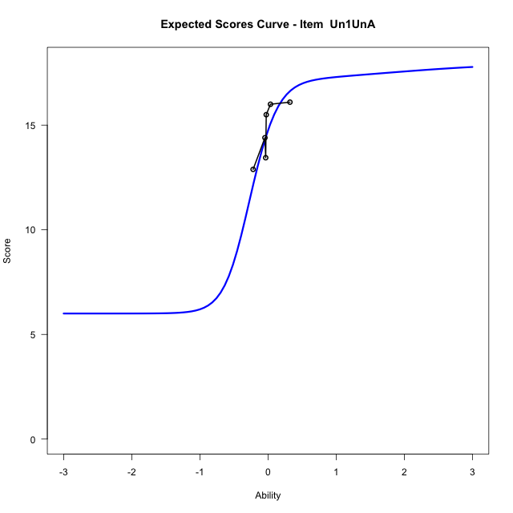
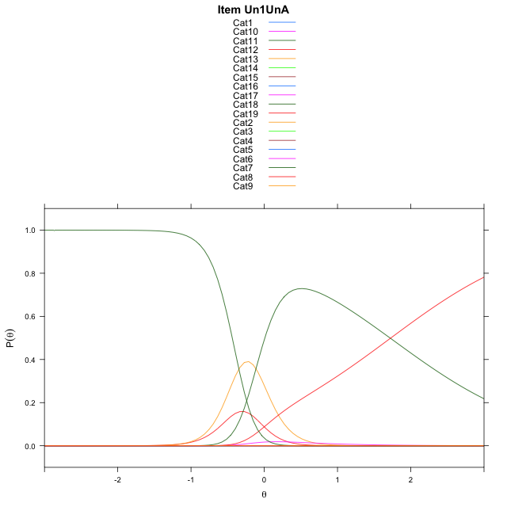
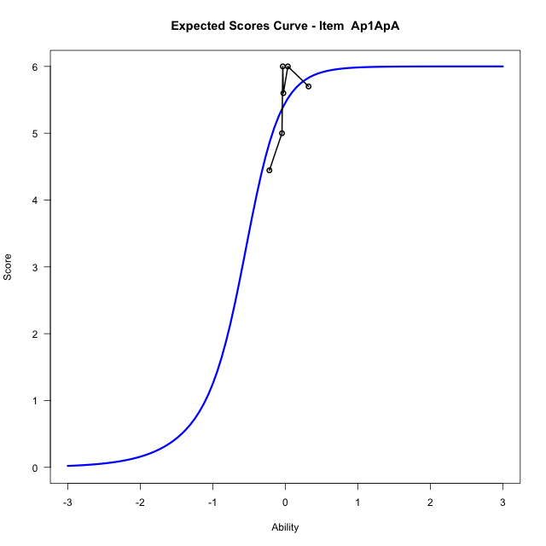











...
Item Infit/Outfit Statistic
Ev1_Cat6 | 0.99628954122 | 0.088904249611 | 0.92915800623 | 1 | 0.99628954215 | 0.088904252655 | 0.92915800381 | 1
Ev1_Cat7 | 0.99601513247 | 0.087969820042 | 0.92990066324 | 1 | 0.99601513339 | 0.087969823086 | 0.92990066082 | 1
Ev1_Cat8 | 0.99471076389 | 0.08351964694 | 0.93343835597 | 1 | 0.99471076481 | 0.083519649982 | 0.93343835355 | 1
Ev1_Cat9 | 0.99963953647 | 0.03580923834 | 0.97143446666 | 1 | 0.99963953695 | 0.035809242432 | 0.9714344634 | 1
Ev1_Cat10 | 0.99891405891 | 0.029481393743 | 0.97648065813 | 1 | 0.99891405939 | 0.029481397841 | 0.97648065487 | 1
Ev1_Cat11 | 0.99873621627 | 0.027925384818 | 0.97772166218 | 1 | 0.99873621675 | 0.027925388917 | 0.97772165891 | 1
Ev1_Cat12 | 0.9980004964 | 0.021467996585 | 0.9828723326 | 1 | 0.99800049688 | 0.021468000689 | 0.98287232933 | 1

Box plot of expected curves

