Global-info
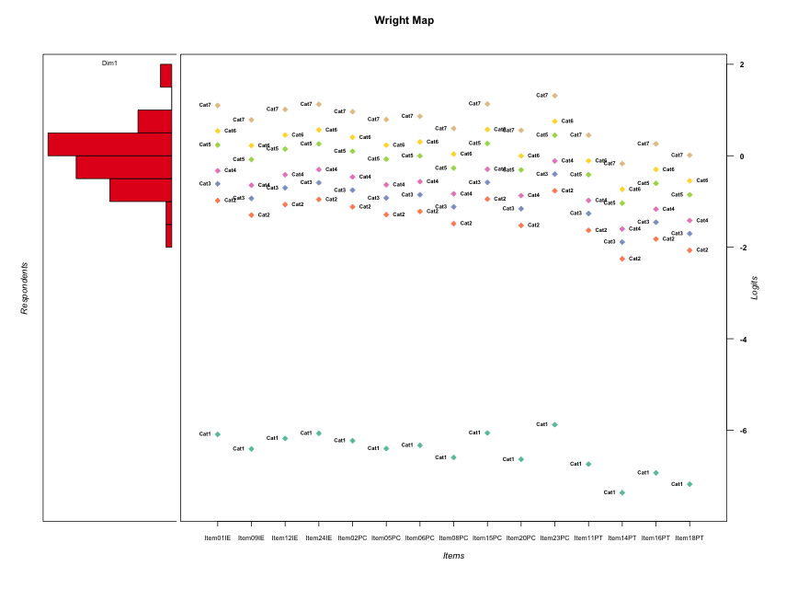
Global information for a measurement model

Information
Number.of.items | Deviance | Log.Likelihood | Number.of.persons | EAP.rel | n.theta.nodes | irt.model
15 | 2763.2660129 | -1381.6330065 | 60 | 0.89006857549 | 21 | RSM

Global fit statistic MADaQ3 and test fit
MADaQ3 | maxaQ3 | p
0.20247186066 | 0.64086277154 | 0.00013742754082

Test statistic of global fit based on Chi square
maxX2 | Npairs | p.holm
263.58870901 | 105 | 0

Model fit statistics
X100.MADCOV | SRMR | SRMSR
40.730907479 | 0.1554984381 | 0.19396626736

Chi square tests for every item pairs
index1 | index2 | maxK1 | maxK2 | df | chi2 | p | p.holm
1 | 2 | 7 | 7 | 49 | 57.445733864 | 0.19077875548 | 1
1 | 3 | 7 | 7 | 49 | 69.365889263 | 0.0292815025 | 1
1 | 4 | 7 | 7 | 49 | 55.176304367 | 0.25264458864 | 1
1 | 5 | 7 | 7 | 49 | 58.02690818 | 0.17679852915 | 1
1 | 6 | 7 | 7 | 49 | 50.59115899 | 0.41050249977 | 1
1 | 7 | 7 | 7 | 49 | 49.574093626 | 0.45021805871 | 1
1 | 8 | 7 | 7 | 49 | 54.328654134 | 0.27869088641 | 1
1 | 9 | 7 | 7 | 49 | 65.159384693 | 0.060954499406 | 1
1 | 10 | 7 | 7 | 49 | 47.069142081 | 0.55173156663 | 1
1 | 11 | 7 | 7 | 49 | 37.429517288 | 0.8863167047 | 1
1 | 12 | 7 | 7 | 49 | 136.81922372 | 3.1120550581E-10 | 3.0498139569E-08
1 | 13 | 7 | 7 | 49 | 80.523370963 | 0.0030290150759 | 0.26049529653
1 | 14 | 7 | 7 | 49 | 56.486758579 | 0.21550689899 | 1
1 | 15 | 7 | 7 | 49 | 60.847978089 | 0.11936167794 | 1
2 | 3 | 7 | 7 | 49 | 65.393751092 | 0.058629052628 | 1
2 | 4 | 7 | 7 | 49 | 54.002254278 | 0.28913248533 | 1
2 | 5 | 7 | 7 | 49 | 44.123046856 | 0.67076577918 | 1
2 | 6 | 7 | 7 | 49 | 29.607902669 | 0.98715007611 | 1
2 | 7 | 7 | 7 | 49 | 56.973935379 | 0.20268541845 | 1
2 | 8 | 7 | 7 | 49 | 50.541312961 | 0.41241879827 | 1
2 | 9 | 7 | 7 | 49 | 43.513460611 | 0.69438522577 | 1
2 | 10 | 7 | 7 | 49 | 59.760030143 | 0.13951949323 | 1
2 | 11 | 7 | 7 | 49 | 46.284480669 | 0.58387750054 | 1
2 | 12 | 7 | 7 | 49 | 89.22628719 | 0.00039139091488 | 0.035616573254
2 | 13 | 7 | 7 | 49 | 58.761286146 | 0.16020551468 | 1
2 | 14 | 7 | 7 | 49 | 39.088583899 | 0.84360497896 | 1
2 | 15 | 7 | 7 | 49 | 69.019090115 | 0.031191256492 | 1
3 | 4 | 7 | 7 | 49 | 40.834534223 | 0.79025555259 | 1
3 | 5 | 7 | 7 | 49 | 44.379231043 | 0.66069233523 | 1
3 | 6 | 7 | 7 | 49 | 41.06886668 | 0.78249142603 | 1
3 | 7 | 7 | 7 | 49 | 45.10590984 | 0.63172694422 | 1
3 | 8 | 7 | 7 | 49 | 65.577807593 | 0.056855741 | 1
3 | 9 | 7 | 7 | 49 | 62.5490916 | 0.092485256544 | 1
3 | 10 | 7 | 7 | 49 | 62.619359156 | 0.091489586635 | 1
3 | 11 | 7 | 7 | 49 | 43.714949828 | 0.68663662156 | 1
3 | 12 | 7 | 7 | 49 | 95.429315371 | 8.0424359279E-05 | 0.0074794654129
3 | 13 | 7 | 7 | 49 | 72.673702362 | 0.015656235437 | 1
3 | 14 | 7 | 7 | 49 | 44.989150798 | 0.6364154654 | 1
3 | 15 | 7 | 7 | 49 | 60.279320417 | 0.12959618953 | 1
4 | 5 | 7 | 7 | 49 | 91.191039535 | 0.00023958036373 | 0.022041393463
4 | 6 | 7 | 7 | 49 | 60.456455045 | 0.1263381685 | 1
4 | 7 | 7 | 7 | 49 | 77.444861705 | 0.005913850819 | 0.49676346879
4 | 8 | 7 | 7 | 49 | 58.023446174 | 0.17687957572 | 1
4 | 9 | 7 | 7 | 49 | 72.79583657 | 0.015286360016 | 1
4 | 10 | 7 | 7 | 49 | 69.215655489 | 0.030095784622 | 1
4 | 11 | 7 | 7 | 49 | 67.645890635 | 0.039867827036 | 1
4 | 12 | 7 | 7 | 49 | 263.58870901 | 0 | 0
4 | 13 | 7 | 7 | 49 | 73.534078776 | 0.013214061003 | 1
4 | 14 | 7 | 7 | 49 | 52.087011787 | 0.35473037029 | 1
4 | 15 | 7 | 7 | 49 | 60.252929048 | 0.13008708369 | 1
5 | 6 | 7 | 7 | 49 | 58.117351981 | 0.17469065145 | 1
5 | 7 | 7 | 7 | 49 | 46.136255828 | 0.58993461962 | 1
5 | 8 | 7 | 7 | 49 | 63.618403752 | 0.078250684001 | 1
5 | 9 | 7 | 7 | 49 | 39.450947826 | 0.83321516836 | 1
5 | 10 | 7 | 7 | 49 | 59.02346346 | 0.15456787147 | 1
5 | 11 | 7 | 7 | 49 | 44.218885548 | 0.66700671639 | 1
5 | 12 | 7 | 7 | 49 | 223.30677017 | 0 | 0
5 | 13 | 7 | 7 | 49 | 51.191193028 | 0.38771098882 | 1
5 | 14 | 7 | 7 | 49 | 46.171529322 | 0.58849389655 | 1
5 | 15 | 7 | 7 | 49 | 45.013769172 | 0.63542789422 | 1
6 | 7 | 7 | 7 | 49 | 54.803420824 | 0.26390978467 | 1
6 | 8 | 7 | 7 | 49 | 56.06233003 | 0.22711333918 | 1
6 | 9 | 7 | 7 | 49 | 50.89028336 | 0.39907531131 | 1
6 | 10 | 7 | 7 | 49 | 53.519043118 | 0.30499914011 | 1
6 | 11 | 7 | 7 | 49 | 33.893524917 | 0.9504891566 | 1
6 | 12 | 7 | 7 | 49 | 189.11515035 | 0 | 0
6 | 13 | 7 | 7 | 49 | 76.055071108 | 0.0079175964738 | 0.65716050732
6 | 14 | 7 | 7 | 49 | 58.963935961 | 0.15583481706 | 1
6 | 15 | 7 | 7 | 49 | 55.856240777 | 0.23289526709 | 1
7 | 8 | 7 | 7 | 49 | 38.291054148 | 0.86514572561 | 1
7 | 9 | 7 | 7 | 49 | 43.672377648 | 0.68827882781 | 1
7 | 10 | 7 | 7 | 49 | 45.001707156 | 0.63591183193 | 1
7 | 11 | 7 | 7 | 49 | 45.649503464 | 0.60975857333 | 1
7 | 12 | 7 | 7 | 49 | 208.16575522 | 0 | 0
7 | 13 | 7 | 7 | 49 | 69.22417178 | 0.030049097846 | 1
7 | 14 | 7 | 7 | 49 | 45.197862277 | 0.62802640966 | 1
7 | 15 | 7 | 7 | 49 | 57.239042182 | 0.19593329618 | 1
8 | 9 | 7 | 7 | 49 | 61.144182094 | 0.11428600769 | 1
8 | 10 | 7 | 7 | 49 | 63.040431964 | 0.08570348149 | 1
8 | 11 | 7 | 7 | 49 | 44.18543453 | 0.66832006777 | 1
8 | 12 | 7 | 7 | 49 | 104.85537383 | 6.1336310351E-06 | 0.00058269494833
8 | 13 | 7 | 7 | 49 | 86.937150996 | 0.0006845250828 | 0.06092273237
8 | 14 | 7 | 7 | 49 | 60.352822373 | 0.12823651674 | 1
8 | 15 | 7 | 7 | 49 | 70.202582062 | 0.025092485027 | 1
9 | 10 | 7 | 7 | 49 | 55.684835318 | 0.2377766841 | 1
9 | 11 | 7 | 7 | 49 | 35.644463245 | 0.92317692669 | 1
9 | 12 | 7 | 7 | 49 | 175.66121766 | 3.3306690739E-16 | 3.3306690739E-14
9 | 13 | 7 | 7 | 49 | 87.767957338 | 0.00055973934865 | 0.050376541378
9 | 14 | 7 | 7 | 49 | 54.229264781 | 0.28184647491 | 1
9 | 15 | 7 | 7 | 49 | 63.026000137 | 0.085896741365 | 1
10 | 11 | 7 | 7 | 49 | 27.043355366 | 0.99543233785 | 1
10 | 12 | 7 | 7 | 49 | 108.68844863 | 2.0452494661E-06 | 0.00019634394875
10 | 13 | 7 | 7 | 49 | 63.113761377 | 0.084726978927 | 1
10 | 14 | 7 | 7 | 49 | 64.751195364 | 0.065190037983 | 1
10 | 15 | 7 | 7 | 49 | 58.308508927 | 0.17029524941 | 1
11 | 12 | 7 | 7 | 49 | 235.4218788 | 0 | 0
11 | 13 | 7 | 7 | 49 | 104.78948154 | 6.2489870583E-06 | 0.00058740478348
11 | 14 | 7 | 7 | 49 | 68.645958045 | 0.033367459655 | 1
11 | 15 | 7 | 7 | 49 | 77.994958811 | 0.0052593600974 | 0.44704560828
12 | 13 | 7 | 7 | 49 | 119.4268659 | 8.207837332E-08 | 7.9616022121E-06
12 | 14 | 7 | 7 | 49 | 68.144459275 | 0.036501162237 | 1
12 | 15 | 7 | 7 | 49 | 80.743936835 | 0.0028838845425 | 0.2508979552
13 | 14 | 7 | 7 | 49 | 85.453962742 | 0.00097581125962 | 0.085871390847
13 | 15 | 7 | 7 | 49 | 139.45070822 | 1.2943279781E-10 | 1.2813846983E-08
14 | 15 | 7 | 7 | 49 | 63.005373052 | 0.086173579625 | 1

Item residuals
Item01IE | Item09IE | Item12IE | Item24IE | Item02PC | Item05PC | Item06PC | Item08PC | Item15PC | Item20PC | Item23PC | Item11PT | Item14PT | Item16PT | Item18PT
-0.63078670934 | 0.66722500204 | 1.1624932402 | 1.4259218153 | -0.94920454052 | 0.68518570316 | -3.1699047501 | 0.31637896211 | 1.4448560466 | 0.24854157288 | 1.8841562596 | 1.0831245298 | 0.45464399668 | -2.1676956733 | -0.41246022334
-0.73494628059 | -1.1741470557 | -0.87393887943 | -1.6953139866 | 0.054442283241 | 0.83599275593 | 0.91976447664 | -0.362417495 | 0.31806523593 | -0.39686748678 | 1.6494991103 | 0.52137663621 | 0.22897510449 | 0.40239864309 | 0.28986664758
0.33473715974 | -0.1213697043 | 0.19133666081 | 0.37548934476 | 0.11712974252 | 0.88926728133 | -0.023064855349 | 0.68007477295 | -0.61076624268 | 0.64352225718 | -3.27211789 | -0.4434909122 | 0.24309418581 | 0.42927204574 | 0.30847887974
1.3409697783 | 0.64562280078 | 0.13595522837 | -0.60275074042 | -0.97473092947 | -2.3366149338 | 0.80674480858 | -0.70108950494 | 1.4160440197 | -0.76807590265 | 0.8526499132 | 1.0686426993 | 0.4487990372 | 0.82119851512 | 0.57983524392
-0.57009043269 | -0.28143310338 | -0.77896137996 | 1.4871220858 | -0.89202768481 | -1.2631585604 | -1.1158657574 | -0.6392854746 | -0.49378362975 | -0.70868522608 | -0.051923119982 | 0.12176813368 | 0.47244662472 | 0.86370351934 | 0.61051992129
-0.19367202121 | -0.47870741591 | -0.28568123722 | -0.16710631484 | 0.66758793275 | 0.52769576845 | 0.58089173563 | 0.40364747356 | 0.84189578029 | 0.38234118085 | 0.070635453954 | 0.33197147547 | 0.15149475741 | 0.25890970623 | 0.18950967166
0.45154774762 | -0.2607952135 | -0.75737118659 | -1.4912584936 | -1.8705430132 | 0.75753776104 | 1.9052304994 | 1.3797457821 | 1.5278265485 | 0.30991553589 | -2.0309333418 | -1.8608849414 | -0.51871854605 | -1.121527054 | -0.37823874232
0.39572721635 | -0.31222168778 | 0.18749047748 | 0.45281521808 | -0.9251120996 | -0.2940809755 | 0.85223069533 | 1.3331562457 | 0.47187259709 | -0.73546518147 | 0.9135221541 | -0.90286146972 | 0.46042299955 | -2.1568503615 | 0.59513027926
0.85215334795 | 0.080748341824 | -0.35812268918 | 0.90765017113 | -1.4771939771 | -0.89726687957 | -0.72478326397 | -0.38052741514 | -0.074024274241 | 0.52208775549 | 0.32333257597 | 1.2706685471 | 0.059276422742 | 0.84322033241 | 0.35688152777
0.38571547434 | -0.32007245215 | 0.17802380094 | -2.557332185 | 1.065748175 | -3.3019976573 | 1.8438018585 | -0.67330294296 | 1.4616812426 | 0.25836682179 | -0.097497362115 | 1.0917095073 | 0.45814515627 | 0.83891692654 | 0.59214684706
0.5517083072 | -1.1649297362 | -0.65732956258 | -1.3912132571 | 0.2290650536 | -0.1463339624 | 1.0031454714 | -1.5316977252 | 1.6278194853 | 0.39649747847 | 0.065967743445 | -0.78007551226 | -0.4774659632 | -1.0526478189 | -1.325766228
0.39572721635 | -0.31222168778 | 0.18749047748 | -0.54718478192 | -1.9251120996 | 1.7059190245 | 1.8522306953 | 1.3331562457 | -0.52812740291 | 0.26453481853 | -0.086477845902 | -1.9028614697 | 0.46042299955 | -1.1568503615 | 0.59513027926
0.21384748377 | -0.53071482118 | 0.0041679276693 | 0.27012363536 | -0.11222670147 | -1.5103924927 | 0.65080792557 | 0.054378420738 | 0.28879730189 | -0.030454225993 | 0.70619769997 | 0.75485596558 | -0.2042533061 | 0.40341697291 | -0.97826838669
-1.5973161872 | 0.69347640038 | -0.80585683091 | 1.4598454201 | 1.0813532166 | -1.2883426496 | -1.1417219255 | 1.3379801738 | 2.4789264363 | 1.2691695812 | 0.92099182909 | -1.8987174467 | 0.46226477329 | -2.1535370542 | -1.4024792997
1.7613488584 | 1.2035967005 | 1.5917393055 | 1.8087111875 | 1.5020275617 | -0.78274271899 | 1.3285638751 | -1.0577969831 | -1.1753938693 | 0.89274881064 | 2.2050422316 | -5.226588748 | 0.33020761101 | -3.4047536507 | 0.42339040661
-0.4482916928 | -1.1649297362 | -0.65732956258 | -0.39121325712 | 0.2290650536 | -2.1463339624 | 0.0031454713697 | -0.53169772517 | 0.62781948526 | -1.6035025215 | 0.065967743445 | 0.21992448774 | -0.4774659632 | 0.94735218114 | 0.67423377195
-1.3034571346 | -0.068353511682 | -0.51359763197 | 1.7522322797 | 0.36797806591 | 0.95322693424 | 2.1229674564 | 2.4816560012 | -0.22935644385 | 2.3873275289 | -0.82709539035 | 0.1448534639 | -2.005054215 | -2.2640775528 | 0.27508891705
-0.65903022171 | -0.35437719922 | 0.13595522837 | 0.39724925958 | -0.97473092947 | 1.6633850662 | 1.8067448086 | -0.70108950494 | 2.4160440197 | -0.76807590265 | -0.1473500868 | 0.068642699304 | 0.4487990372 | -0.17880148488 | -0.42016475608
-0.90105454658 | 0.46100650145 | 0.90869926558 | 2.1515059056 | 0.80676343744 | 0.47705699618 | 0.60704068785 | -0.85009450377 | -2.8309086887 | 1.0902380625 | -0.41772019204 | 0.94530323875 | 0.39923946687 | -0.27321090981 | 0.5144597076
-0.61428452566 | 1.6799275478 | 2.1780238009 | 2.442667815 | 1.065748175 | 1.6980023427 | -4.1561981415 | 1.326697057 | -3.5383187574 | -3.7416331782 | -0.097497362115 | 1.0917095073 | 0.45814515627 | 0.83891692654 | 0.59214684706
-0.58281443776 | -0.29345960674 | 0.20837648518 | -0.52560017784 | 1.0953901315 | -1.2752219261 | -2.1281853524 | -0.65032550182 | -1.5065035626 | 0.28053381439 | 0.93564998752 | 0.11173469726 | 0.46736792776 | 0.85518598219 | 0.60405236569
0.36921329066 | 0.66722500204 | 0.16249324022 | 0.42592181528 | -0.94920454052 | -1.3148142968 | -1.1699047501 | 1.3163789621 | -0.55514395336 | 0.24854157288 | -0.11584374036 | 1.0831245298 | 0.45464399668 | 0.8323043267 | 0.58753977666
0.41865662336 | -0.33453481336 | 0.20878111046 | 0.47468392118 | -1.908474925 | -2.3136786273 | 2.851145662 | -0.76432837089 | -2.5067537119 | -0.85319025024 | 0.90422372683 | 1.9203307032 | 0.88026465266 | 1.5444972868 | 1.1292289449
-1.8133708178 | -0.23213178477 | -1.946811156 | -0.7751862151 | 0.98474141267 | 0.77743314444 | -0.14334282502 | 0.59127051428 | 1.2377171151 | 0.55916406068 | 0.5592186365 | 0.48321930973 | 0.21359753804 | 0.37325842903 | 0.26965329673
0.4327252787 | 0.28355930035 | 0.38382397884 | 0.44701612702 | 0.35930333303 | 0.28685136508 | 0.31426614994 | 0.22317366361 | 0.45187744319 | 0.21221702727 | 0.57892228714 | 0.18621085142 | 0.089948422872 | 0.14802735754 | 0.11086775661
-0.65903022171 | -1.3543771992 | -0.86404477163 | -3.6027507404 | 2.0252690705 | 1.6633850662 | 1.8067448086 | 1.2989104951 | 2.4160440197 | 1.2319240973 | 2.8526499132 | -3.9313573007 | -1.5512009628 | 0.82119851512 | 0.57983524392
0.43970899033 | -0.041518247331 | 1.2898136678 | 1.4821021782 | 0.21177158404 | -1.0301360843 | 0.063360961046 | -1.2555433408 | -1.5036192231 | -0.29526869602 | -1.1545481822 | 0.60977256049 | 0.26448931171 | 0.47002574047 | 0.33669682851
-0.23865114164 | 1.2035967005 | 1.5917393055 | -0.19128881249 | 0.50202756171 | 1.217257281 | -0.67143612494 | -0.057796983108 | 0.82460613071 | 0.89274881064 | -1.7949577684 | -0.22658874805 | -1.669792389 | -0.40475365069 | 0.42339040661
1.9543474097 | 1.4031127735 | 1.8176103695 | 1.9888628388 | -1.2641658013 | 1.4207755613 | 1.5552548269 | 0.0047481975986 | 2.0001205527 | 0.91374429847 | 1.2282540656 | -2.3327722145 | -3.8359376193 | -2.7936802793 | -3.4005160821
1.2650537194 | 0.82585294429 | 1.1260611206 | -4.6953139866 | 1.0544422832 | 0.83599275593 | 0.91976447664 | 0.637582505 | 1.3180652359 | 0.60313251322 | -4.3505008897 | 0.52137663621 | 0.22897510449 | -0.59760135691 | 0.28986664758
-0.19367202121 | 0.52129258409 | 0.71431876278 | 0.83289368516 | -0.33241206725 | 0.52769576845 | -2.4191082644 | 0.40364747356 | 0.84189578029 | 0.38234118085 | 1.070635454 | 0.33197147547 | 0.15149475741 | 0.25890970623 | 0.18950967166
-0.60427278365 | 0.68777831222 | -0.81250952252 | -1.5471847819 | 2.0748879004 | 1.7059190245 | 1.8522306953 | 0.33315624572 | 1.4718725971 | 0.26453481853 | 1.9135221541 | -3.9028614697 | -1.5395770004 | -1.1568503615 | -0.40486972074
0.58512597027 | 0.069267557153 | 1.4263036728 | 0.62977017761 | -1.6570205046 | 1.0816801842 | -1.8167670043 | 0.83382420481 | 0.64478107301 | -0.21029915456 | 0.0080752909071 | 0.68372261876 | 0.29418898018 | -2.4733869291 | 0.37587440831
0.89467168129 | -0.87235990188 | -0.31392013205 | 0.94966262831 | -2.432200659 | 0.14956934422 | -2.6785244004 | -3.3334192617 | -2.0321845126 | -1.4309917065 | -1.6392750431 | 2.3167217912 | 1.0918488061 | 1.8864707074 | 1.3945521508
1.2273985447 | 1.5280901384 | 1.0413594985 | 1.2759626324 | -1.0654643103 | -0.45131918017 | -0.29115639961 | -0.91330626558 | -0.70804878325 | -1.0088210243 | -0.36686301611 | -0.25930793145 | -1.5716020038 | -0.69920409093 | -3.2272219495
2.5517083072 | 1.8350702638 | 0.34267043742 | 1.6087867429 | -3.7709349464 | -2.1463339624 | -2.9968545286 | -0.53169772517 | -2.3721805147 | 0.39649747847 | 1.0659677434 | 1.2199244877 | -0.4774659632 | -0.05264781886 | -1.325766228
-0.23865114164 | 0.20359670047 | 0.59173930554 | 1.8087111875 | -0.49797243829 | 1.217257281 | -0.67143612494 | 0.94220301689 | 1.8246061307 | 0.89274881064 | -0.79495776842 | -0.22658874805 | -0.66979238899 | -2.4047536507 | -0.57660959339
2.3857154743 | 0.67992754785 | 0.17802380094 | 2.442667815 | -0.93425182498 | -1.3019976573 | 1.8438018585 | -1.673302943 | -3.5383187574 | 0.25836682179 | -2.0974973621 | 1.0917095073 | 0.45814515627 | 0.83891692654 | 0.59214684706
0.86020831092 | 0.088506922411 | -0.3500634026 | -2.0843078212 | 0.5308381933 | 0.11051153708 | 0.28312840384 | -0.37333126161 | -0.065987687218 | -0.4708700336 | -0.668905168 | -0.72274188734 | 1.0627051926 | 1.8488662467 | 0.36121634741
-1.7349462806 | 0.82585294429 | -1.8739388794 | -1.6953139866 | 1.0544422832 | -0.16400724407 | 0.91976447664 | 0.637582505 | 1.3180652359 | 0.60313251322 | -1.3505008897 | 0.52137663621 | 0.22897510449 | 0.40239864309 | 0.28986664758
-1.2386511416 | 1.2035967005 | -0.40826069446 | -4.1912888125 | 1.5020275617 | 1.217257281 | 1.3285638751 | 0.94220301689 | -1.1753938693 | -1.1072511894 | 2.2050422316 | 0.77341125195 | -0.66979238899 | 0.59524634931 | 0.42339040661
-1.6590302217 | -0.35437719922 | -0.86404477163 | -2.6027507404 | 1.0252690705 | -1.3366149338 | 1.8067448086 | 1.2989104951 | 2.4160440197 | 0.23192409735 | -0.1473500868 | 1.0686426993 | 0.4487990372 | 0.82119851512 | 0.57983524392
0.69654286537 | -1.0683535117 | -0.51359763197 | -1.2477677203 | 2.3679780659 | 0.95322693424 | 0.12296745639 | 2.4816560012 | 1.7706435561 | 1.3873275289 | 0.17290460965 | -1.8551465361 | -1.005054215 | -1.2640775528 | 0.27508891705
0.21384748377 | -0.53071482118 | 0.0041679276693 | -0.72987636464 | 1.8877732985 | -3.5103924927 | -0.34919207443 | 0.054378420738 | 0.28879730189 | -0.030454225993 | -2.2938023 | 1.7548559656 | 0.7957466939 | 1.4034169729 | 1.0217316133
-1.8786958049 | 0.72357409247 | -2.0058346515 | 1.1577518432 | 0.9290928311 | 0.73261669415 | -2.19240871 | 0.55697529771 | 1.1700747883 | 0.5267564285 | 1.478162285 | 0.45535251541 | 0.20224057924 | 0.35211450915 | 0.25489464089
-0.57009043269 | -0.28143310338 | -0.77896137996 | -0.51287791416 | 0.10797231519 | 0.73684143955 | -1.1158657574 | 1.3607145254 | -0.49378362975 | -1.7086852261 | -3.05192312 | 1.1217681337 | 0.47244662472 | 0.86370351934 | 0.61051992129
-0.89687710166 | -1.3919535951 | -1.018170167 | -0.86642953695 | -1.0912058474 | -0.37584884944 | -0.25373632754 | -1.7591519967 | -0.85651373681 | -0.84409231509 | 0.34277648896 | -0.076163824947 | 0.44244900534 | 1.4819917672 | -0.11622666521
0.21944611531 | -0.20827285121 | 0.083512936295 | 0.25829018813 | 0.013664296214 | -0.19846296475 | -0.11728928847 | 0.61021703254 | 0.27141125292 | -1.4228635662 | 0.59758852074 | 0.4987902794 | 0.21988543902 | -0.61486417958 | 0.27790141806
1.4299095673 | 1.7185668966 | 2.22103862 | 1.4871220858 | -0.89202768481 | 1.7368414396 | -1.1158657574 | -4.6392854746 | -3.4937836298 | -0.70868522608 | -2.05192312 | 1.1217681337 | 0.47244662472 | 0.86370351934 | -1.3894800787
-1.1397916891 | 0.088506922411 | 0.6499365974 | 1.9156921788 | -1.4691618067 | -1.8894884629 | 0.28312840384 | -1.3733312616 | -1.0659876872 | 1.5291299664 | -1.668905168 | 2.2772581127 | 1.0627051926 | 1.8488662467 | -0.63878365259
-2.1167228531 | -1.8860452558 | -0.32607905479 | -1.0615139062 | 1.5552525425 | 2.1359290636 | 0.3082313539 | 0.65223725839 | -0.043287619123 | 1.5545973388 | 0.35137882233 | -1.697743504 | -1.9196073205 | -1.1276538512 | -1.6183297279
-0.0038959344653 | -0.73928281102 | 0.78663324548 | -0.94735532363 | -1.3288453594 | -0.7195280869 | 0.43781933639 | 0.86163793775 | 1.0714366347 | -0.2189109292 | -0.50433521114 | 0.57893320389 | 0.70589307193 | 0.25342933604 | -2.0925523337
-2.1351118916 | 0.093067846109 | -2.3453661746 | -0.079639478944 | 2.5355280532 | 1.1150825463 | 3.2877653294 | -1.3690684971 | 0.93867621187 | -1.4666910952 | 1.335572417 | -3.7188122614 | 1.0648272152 | -1.1477328134 | 1.363867604
0.54854989545 | 0.35683616392 | 0.48590474441 | 0.56680423148 | 0.45440036788 | -0.63891951515 | 0.3964187932 | 0.27904195195 | -0.42699209058 | 0.26495616868 | 0.73396966575 | 0.23159291338 | 0.10971551835 | 0.18286870617 | 0.13589709531
1.4090688009 | -1.3009407873 | 0.20035788877 | 2.4662679677 | 1.0874537598 | -0.28273098647 | -1.1358945858 | 0.34289536898 | -0.51463934435 | 1.2739302758 | -0.072424056309 | -4.8943741578 | 0.4643313669 | -0.14995544741 | -0.39982437217
-1.1620838394 | 0.067087395029 | -1.3723528618 | -0.10656797718 | -2.491367983 | 2.0890356997 | 1.2612724948 | 0.60683382984 | -1.0882341125 | -1.4902733918 | 0.30958115944 | 2.2591208795 | 1.0533437376 | 1.8333597889 | 0.34935017958
-1.1478466521 | -0.91925165818 | -1.3581226892 | -1.0923498289 | 2.5228060229 | -1.8972668796 | -0.72478326397 | -0.38052741514 | -1.0740242742 | 0.52208775549 | 1.323332576 | 2.2706685471 | 0.059276422742 | 1.8432203324 | 1.3568815278
1.3409697783 | -0.35437719922 | -0.86404477163 | -1.6027507404 | 0.025269070532 | 1.6633850662 | -2.1932551914 | 0.29891049506 | 1.4160440197 | 0.23192409735 | -0.1473500868 | 1.0686426993 | 0.4487990372 | 0.82119851512 | 0.57983524392
0.89467168129 | -0.87235990188 | 0.68607986795 | 0.94966262831 | 0.567799341 | -0.85043065578 | -0.67852440043 | -0.33341926171 | -2.0321845126 | 1.5690082935 | 0.36072495693 | -0.68327820879 | -1.9081511939 | -1.1135292926 | -2.6054478492
0.86020831092 | -0.91149307759 | 0.6499365974 | 0.91569217885 | -1.4691618067 | 2.1105115371 | -2.7168715962 | -1.3733312616 | -2.0659876872 | -3.4708700336 | 1.331094832 | 2.2772581127 | 1.0627051926 | 1.8488662467 | 1.3612163474

Wright Map for Item Response Models

Estimate-Items
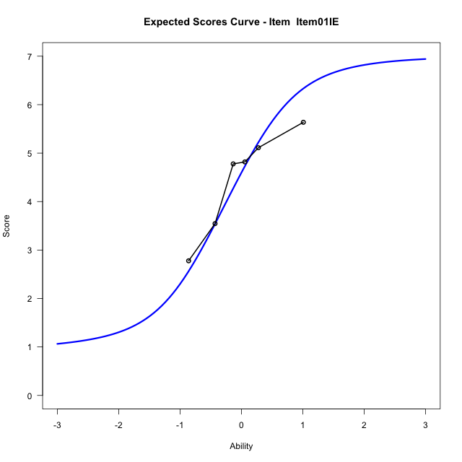
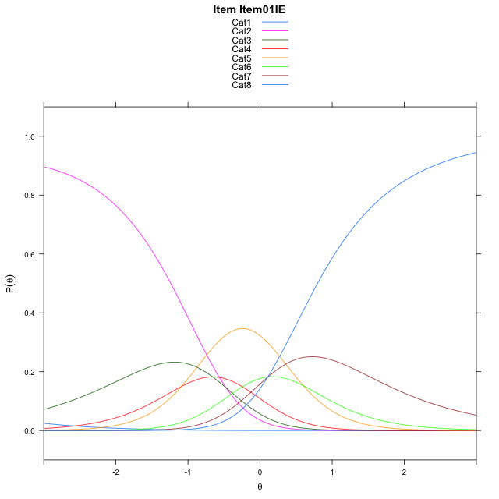
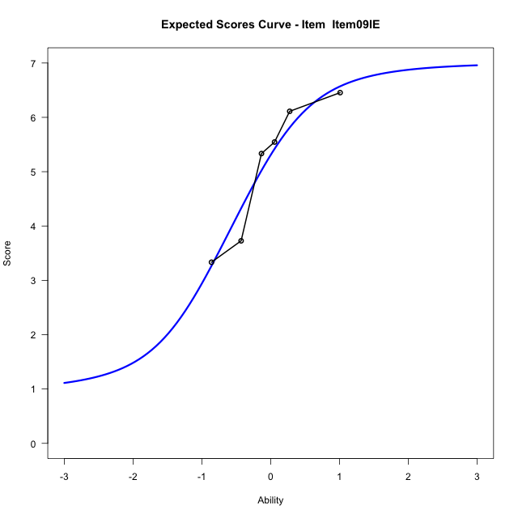
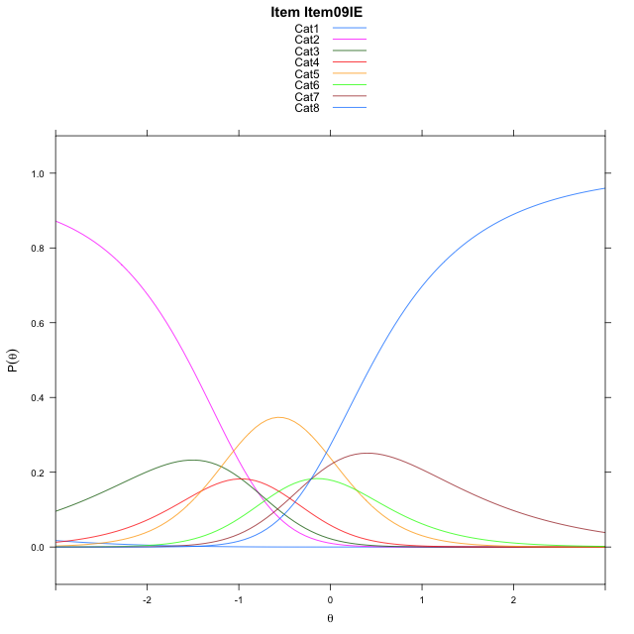
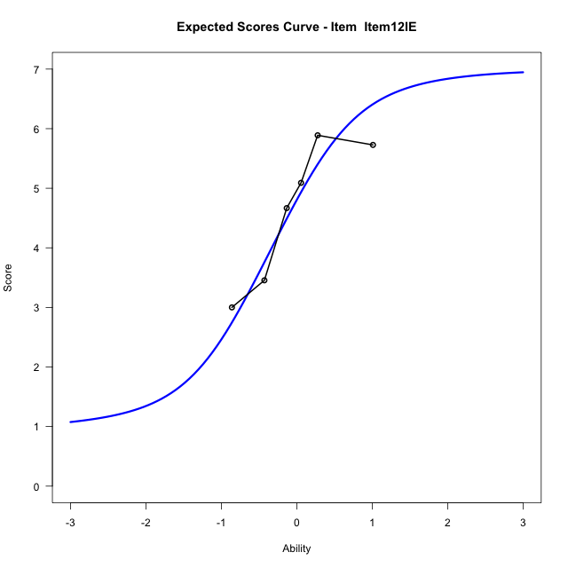
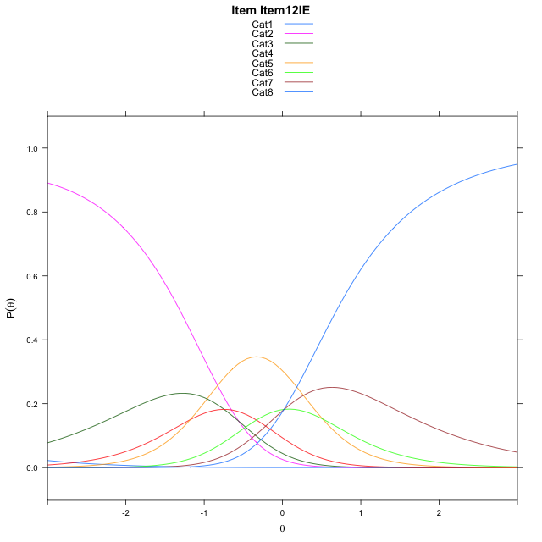
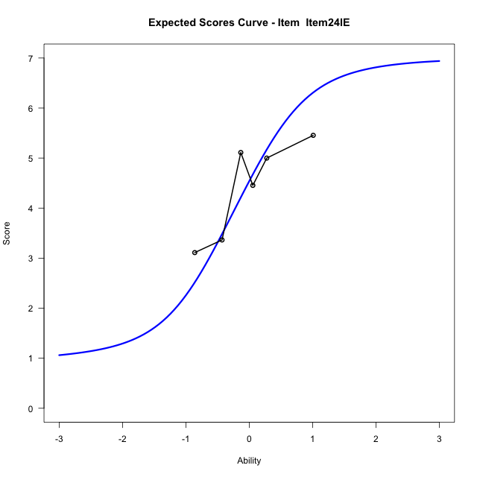
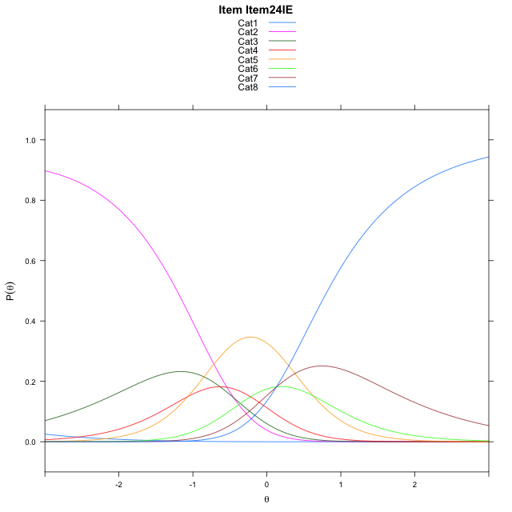
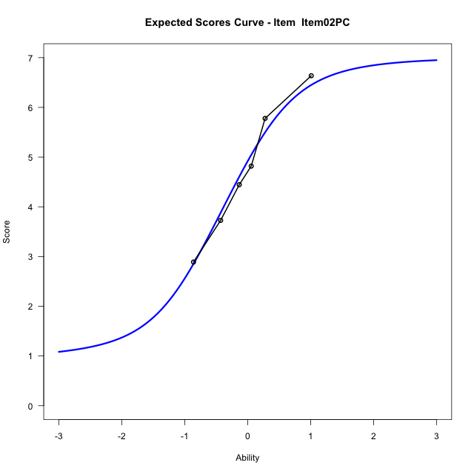
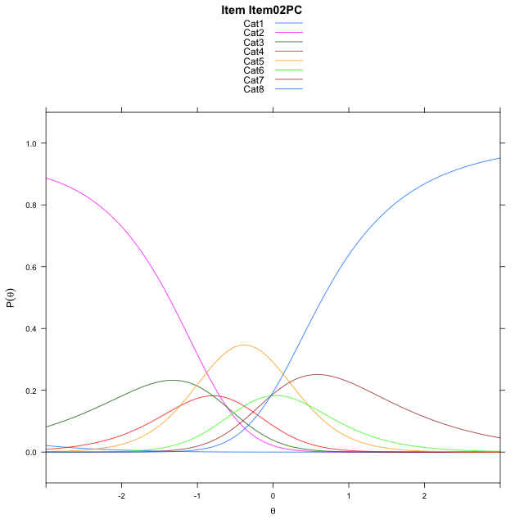
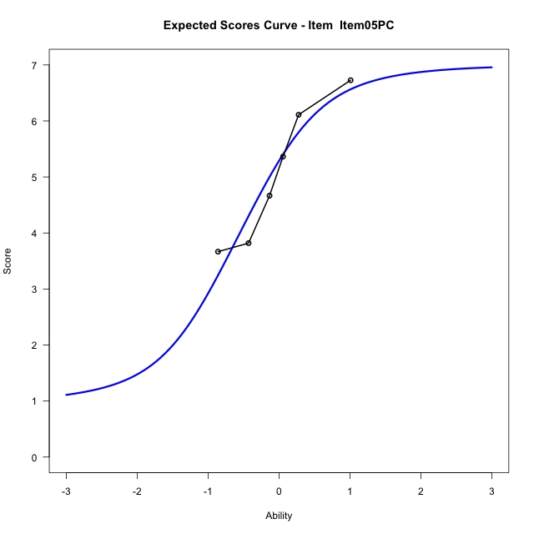
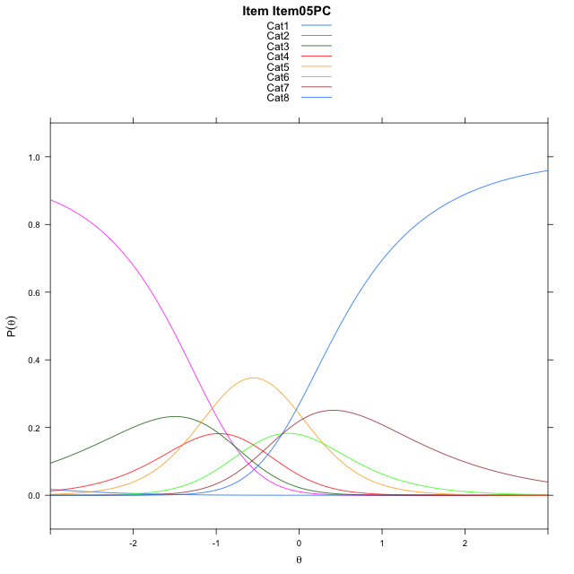
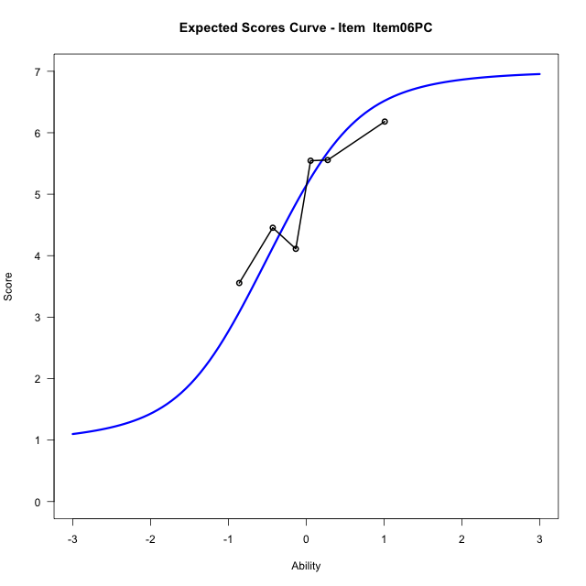
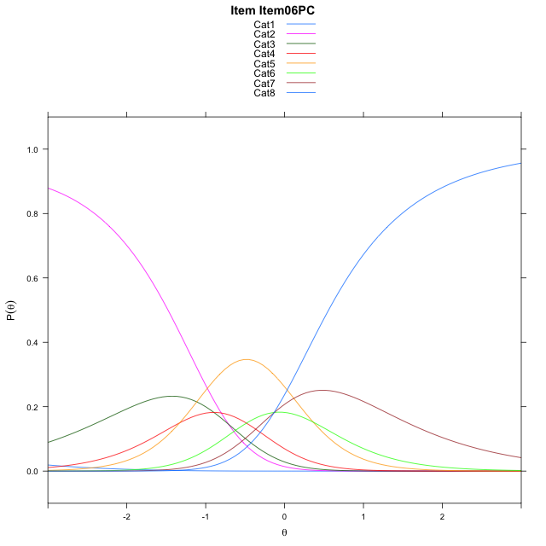
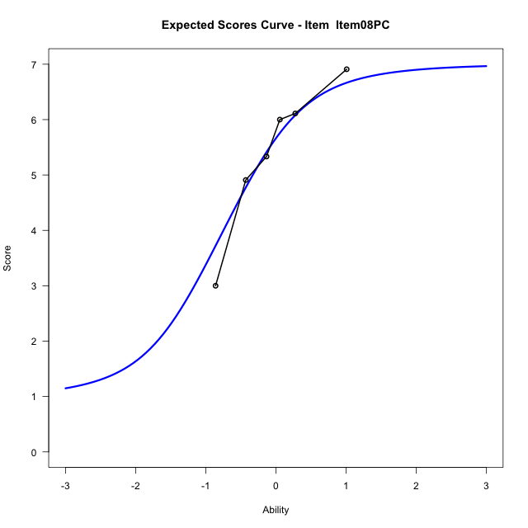
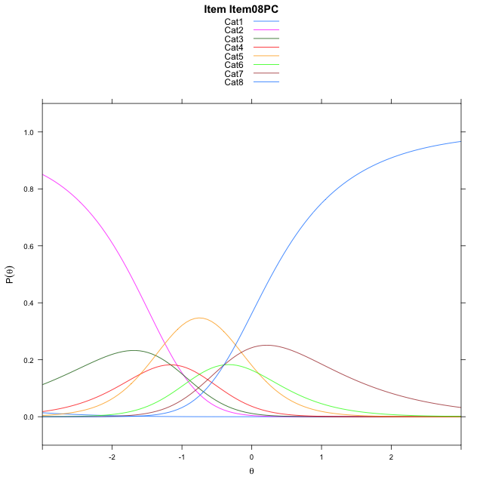
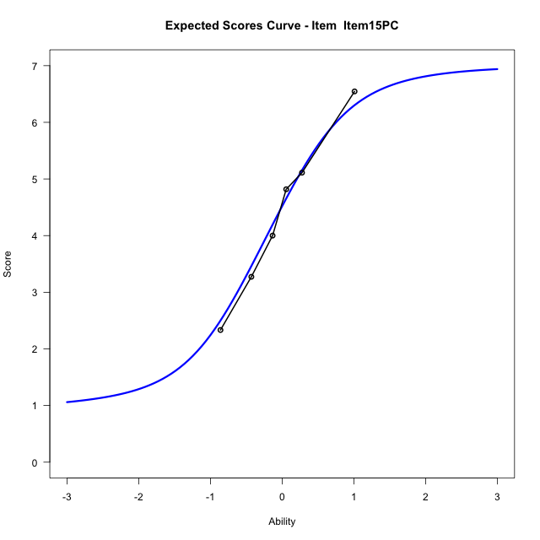


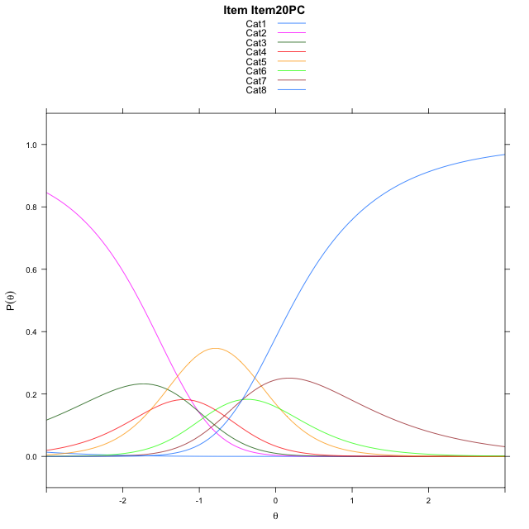
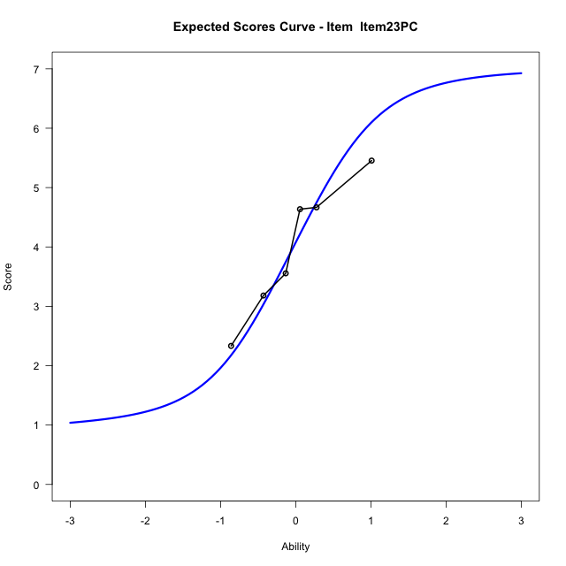
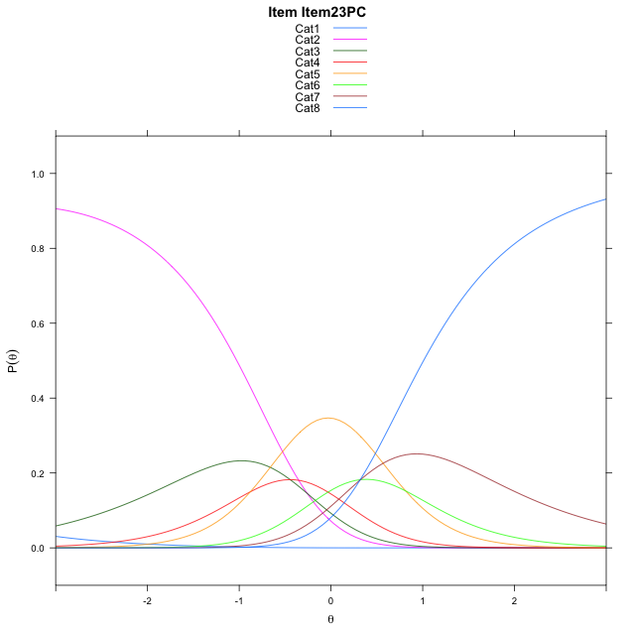
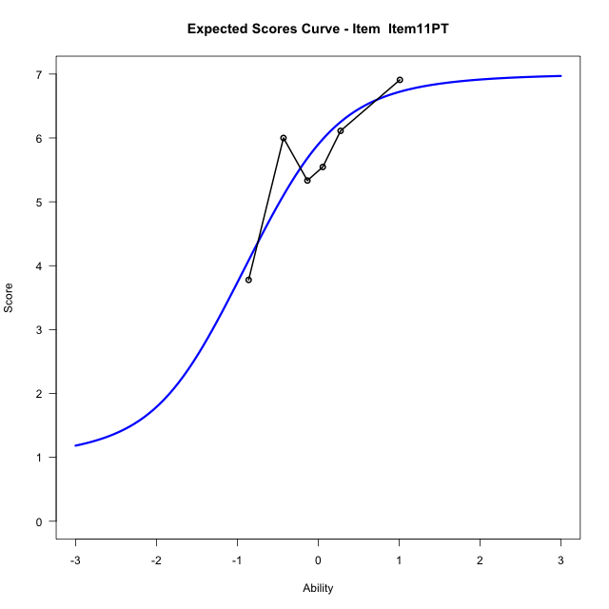
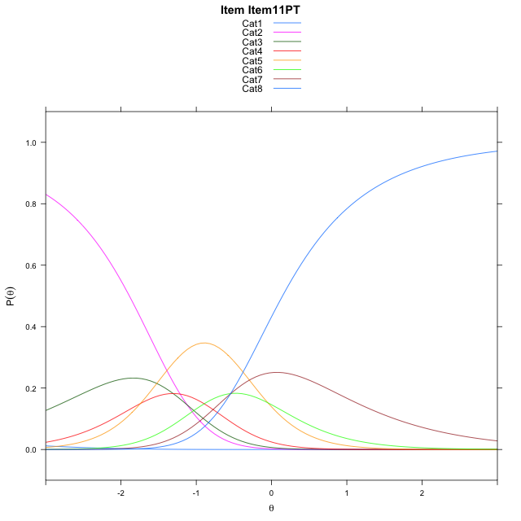
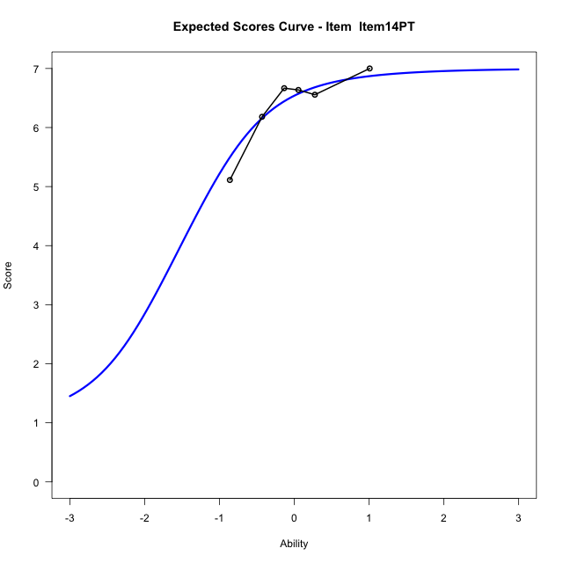
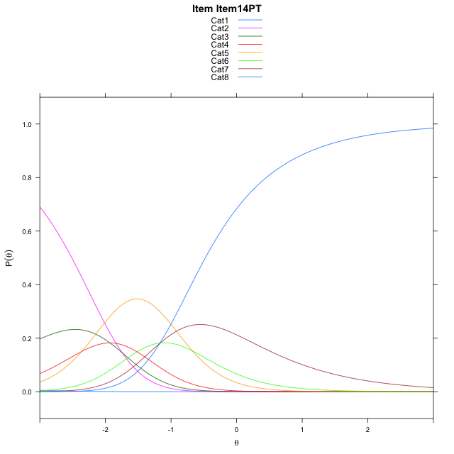
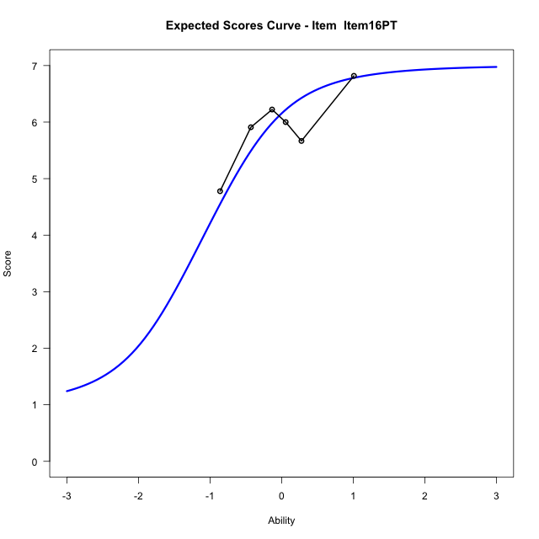

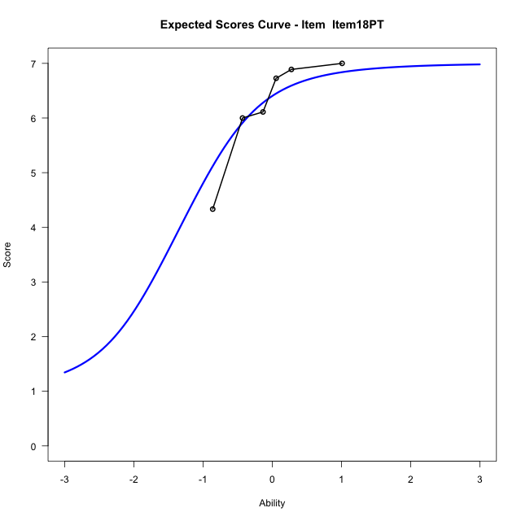
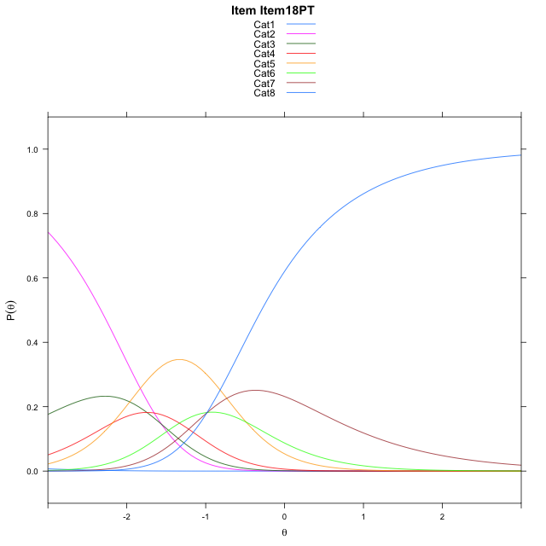
Estimate items information for the measurement model

Full Item Information
item | N | M | xsi.item | AXsi_.Cat1 | AXsi_.Cat2 | AXsi_.Cat3 | AXsi_.Cat4 | AXsi_.Cat5 | AXsi_.Cat6 | AXsi_.Cat7 | B.Cat1.Dim1 | B.Cat2.Dim1 | B.Cat3.Dim1 | B.Cat4.Dim1 | B.Cat5.Dim1 | B.Cat6.Dim1 | B.Cat7.Dim1
Item01IE | 60 | 4.4666666667 | -1.1431976484 | -6.5975599422 | -7.0690700075 | -7.7264287114 | -8.8170792843 | -8.2153579887 | -8.1053131707 | -8.0023835388 | 1 | 2 | 3 | 4 | 5 | 6 | 7
Item09IE | 60 | 5.1 | -1.4606776268 | -6.9150399207 | -7.7040299643 | -8.6788686466 | -10.086999198 | -9.8027578808 | -10.010193041 | -10.224743388 | 1 | 2 | 3 | 4 | 5 | 6 | 7
Item12IE | 60 | 4.65 | -1.2318817061 | -6.6862439999 | -7.2464381228 | -7.9924808844 | -9.1718155149 | -8.658778277 | -8.6374175168 | -8.6231719425 | 1 | 2 | 3 | 4 | 5 | 6 | 7
Item24IE | 60 | 4.4166666667 | -1.1193150535 | -6.5736773473 | -7.0213048176 | -7.6547809266 | -8.7215489046 | -8.0959450141 | -7.9620176013 | -7.8352053744 | 1 | 2 | 3 | 4 | 5 | 6 | 7
Item02PC | 60 | 4.75 | -1.2811208022 | -6.7354830961 | -7.3449163151 | -8.1401981729 | -9.3687718996 | -8.9049737578 | -8.9328520938 | -8.9678456156 | 1 | 2 | 3 | 4 | 5 | 6 | 7
Item05PC | 60 | 5.0833333333 | -1.4518033242 | -6.906165618 | -7.686281359 | -8.6522457387 | -10.051501987 | -9.7583863675 | -9.9569472254 | -10.162623269 | 1 | 2 | 3 | 4 | 5 | 6 | 7
Item06PC | 60 | 4.95 | -1.3820795317 | -6.8364418255 | -7.5468337741 | -8.4430743613 | -9.7726068175 | -9.4097674052 | -9.5386044706 | -9.674556722 | 1 | 2 | 3 | 4 | 5 | 6 | 7
Item08PC | 60 | 5.4333333333 | -1.6478999875 | -7.1022622813 | -8.0784746856 | -9.2405357286 | -10.835888641 | -10.738869684 | -11.133527205 | -11.535299912 | 1 | 2 | 3 | 4 | 5 | 6 | 7
Item15PC | 60 | 4.4 | -1.1113767599 | -6.5657390538 | -7.0054282306 | -7.630966046 | -8.6897957305 | -8.0562535464 | -7.91438784 | -7.7796373196 | 1 | 2 | 3 | 4 | 5 | 6 | 7
Item20PC | 60 | 5.5 | -1.6880519592 | -7.1424142531 | -8.1587786291 | -9.3609916439 | -10.996496528 | -10.939629543 | -11.374439036 | -11.816363715 | 1 | 2 | 3 | 4 | 5 | 6 | 7
Item23PC | 60 | 4.0166666667 | -0.93074308747 | -6.3851053813 | -6.6441608856 | -7.0890650286 | -7.9672610406 | -7.153085184 | -6.8305858052 | -6.5152016123 | 1 | 2 | 3 | 4 | 5 | 6 | 7
Item11PT | 60 | 5.6666666667 | -1.7936728722 | -7.248035166 | -8.370020455 | -9.6778543827 | -11.418980179 | -11.467734108 | -12.008164513 | -12.555710105 | 1 | 2 | 3 | 4 | 5 | 6 | 7
Item14PT | 60 | 6.3833333333 | -2.4169373598 | -7.8712996537 | -9.6165494303 | -11.547647846 | -13.91203813 | -14.584056546 | -15.747751439 | -16.918561519 | 1 | 2 | 3 | 4 | 5 | 6 | 7
Item16PT | 60 | 5.9333333333 | -1.9838682621 | -7.4382305559 | -8.7504112349 | -10.248440553 | -12.179761739 | -12.418711057 | -13.149336853 | -13.887077835 | 1 | 2 | 3 | 4 | 5 | 6 | 7
Item18PT | 60 | 6.2166666667 | -2.2319628594 | -7.6863251532 | -9.2466004295 | -10.992724344 | -13.172140128 | -13.659184044 | -14.637904437 | -15.623740016 | 1 | 2 | 3 | 4 | 5 | 6 | 7

Thurstonian Thresholds (category-wise)
 | Cat1 | Cat2 | Cat3 | Cat4 | Cat5 | Cat6 | Cat7
Item01IE | -6.6015930176 | -1.2336730957 | -0.81344604492 | -0.5241394043 | 0.034698486328 | 0.32858276367 | 0.79641723633
Item09IE | -6.9190979004 | -1.5511779785 | -1.1309509277 | -0.84164428711 | -0.28280639648 | 0.011077880859 | 0.47872924805
Item12IE | -6.690032959 | -1.3221130371 | -0.90188598633 | -0.6125793457 | -0.053741455078 | 0.24014282227 | 0.70779418945
Item24IE | -6.5776062012 | -1.2098693848 | -0.78945922852 | -0.50033569336 | 0.058502197266 | 0.35256958008 | 0.82022094727
Item02PC | -6.7392883301 | -1.3713684082 | -0.95114135742 | -0.6618347168 | -0.10299682617 | 0.19088745117 | 0.65853881836
Item05PC | -6.9103088379 | -1.542388916 | -1.1221618652 | -0.83285522461 | -0.27401733398 | 0.019866943359 | 0.48770141602
Item06PC | -6.8405456543 | -1.4726257324 | -1.0523986816 | -0.76309204102 | -0.20425415039 | 0.089630126953 | 0.55746459961
Item08PC | -7.106048584 | -1.7381286621 | -1.3179016113 | -1.0285949707 | -0.46975708008 | -0.17587280273 | 0.29177856445
Item15PC | -6.569732666 | -1.2018127441 | -0.78158569336 | -0.49227905273 | 0.066558837891 | 0.36044311523 | 0.82809448242
Item20PC | -7.1461486816 | -1.7784118652 | -1.358001709 | -1.0688781738 | -0.5100402832 | -0.21597290039 | 0.2516784668
Item23PC | -6.3891906738 | -1.021270752 | -0.60104370117 | -0.31173706055 | 0.24710083008 | 0.54098510742 | 1.0088195801
Item11PT | -7.2519836426 | -1.8840637207 | -1.4638366699 | -1.1745300293 | -0.61569213867 | -0.32180786133 | 0.14602661133
Item14PT | -7.8752746582 | -2.5073547363 | -2.0871276855 | -1.7978210449 | -1.2389831543 | -0.94509887695 | -0.4772644043
Item16PT | -7.4420471191 | -2.0743103027 | -1.654083252 | -1.3647766113 | -0.8059387207 | -0.51187133789 | -0.044219970703
Item18PT | -7.6901550293 | -2.3224182129 | -1.9021911621 | -1.6128845215 | -1.0540466309 | -0.76016235352 | -0.29232788086

Thurstonian Thresholds (item-wise)
 | Threshold
Item01IE | -0.44868479828
Item09IE | -0.77449581076
Item12IE | -0.53474099546
Item24IE | -0.4257547596
Item02PC | -0.58350999296
Item05PC | -0.76550202503
Item06PC | -0.69310801372
Item08PC | -0.95738584833
Item15PC | -0.41814590439
Item20PC | -0.99581245792
Item23PC | -0.24417952249
Item11PT | -1.0974407577
Item14PT | -1.720103101
Item16PT | -1.2950087918
Item18PT | -1.542115054

Item Infit/Outfit Statistic
parameter | Outfit | Outfit_t | Outfit_p | Outfit_pholm | Infit | Infit_t | Infit_p | Infit_pholm
Item01IE | 0.68732499275 | -1.95700023 | 0.050347441315 | 0.75521161973 | 0.65026047968 | -2.3472748818 | 0.018911297202 | 0.22693556642
Item09IE | 0.44481472804 | -3.6320362388 | 0.00028119362118 | 0.0059050660448 | 0.43805108891 | -4.0844503348 | 4.4181274434E-05 | 0.00066271911652
Item12IE | 0.60722291757 | -2.5179643915 | 0.011803525352 | 0.21246345633 | 0.54839033716 | -3.1802266383 | 0.0014715990941 | 0.019130788224
Item24IE | 1.3428267748 | 1.809033735 | 0.070445762561 | 0.87177987559 | 1.2926302622 | 1.6485138816 | 0.099247264488 | 0.99247264488
Item02PC | 0.90398662248 | -0.49273566322 | 0.62219937515 | 1 | 0.96866865721 | -0.13700950017 | 0.89102328588 | 1
Item05PC | 1.0410374446 | 0.26626544148 | 0.79003478636 | 1 | 1.0942229094 | 0.57347772684 | 0.56632127574 | 1
Item06PC | 1.3810206159 | 1.8643683731 | 0.062269991113 | 0.87177987559 | 1.3321615971 | 1.8017086009 | 0.071591264173 | 0.78750390591
Item08PC | 0.88483991235 | -0.50756900711 | 0.61175563045 | 1 | 0.93852907157 | -0.28456018268 | 0.77598112013 | 1
Item15PC | 1.1695758621 | 0.96890902106 | 0.3325905841 | 1 | 1.2127084334 | 1.240650149 | 0.21473501749 | 1
Item20PC | 0.75395387481 | -1.199867076 | 0.23019096855 | 1 | 0.80786809128 | -1.0502625638 | 0.29359741195 | 1
Item23PC | 0.97425518006 | -0.10039943434 | 0.92002721883 | 1 | 0.96995136806 | -0.13351698383 | 0.89378453337 | 1
Item11PT | 2.024135412 | 3.5683282009 | 0.00035926630422 | 0.0071853260844 | 1.9541727503 | 3.9575003275 | 7.573818368E-05 | 0.0010603345715
Item14PT | 0.89101480165 | -0.25782378722 | 0.79654290542 | 1 | 1.1134150729 | 0.49825741451 | 0.61830261939 | 1
Item16PT | 1.5179937911 | 1.8397406069 | 0.065806328841 | 0.87177987559 | 1.3509562041 | 1.5875776185 | 0.11238188255 | 1
Item18PT | 0.82352108643 | -0.56367234073 | 0.57297714452 | 1 | 1.0805278724 | 0.40061271143 | 0.68870528546 | 1
Cat1 | 2.0688616559 | 1.054046509 | 0.29186162426 | 1 | 2.1162066665 | 22.321928696 | 2.2631371964E-110 | 3.8473332339E-109
Cat2 | 2.6468735516 | 2.0728763526 | 0.038183788299 | 0.61094061278 | 2.6480054818 | 34.440435573 | 6.2617454749E-260 | 1.1271141855E-258
Cat3 | 2.6761992835 | 2.6631478922 | 0.0077413382319 | 0.14708542641 | 2.6871569012 | 43.969345975 | 0 | 0
Cat4 | 2.1425392333 | 2.4739797414 | 0.013361727337 | 0.22714936473 | 2.1425589011 | 45.126428025 | 0 | 0
Cat5 | 2.2819205106 | 1.5461939171 | 0.12205774216 | 1 | 2.3125125577 | 34.680352224 | 1.5584159596E-263 | 2.9609903232E-262
Cat6 | 1.7622520522 | 0.94880094984 | 0.34272185871 | 1 | 1.9246681012 | 13.518119859 | 1.2226062479E-41 | 1.9561699966E-40

Box plot of expected curves

