Assumptions
ANOVA assumptions for Attention

Shapiro-Wilk normality test for Attention
W | p.value
0.96429370573 | 0.34022594434

Plots for normality test
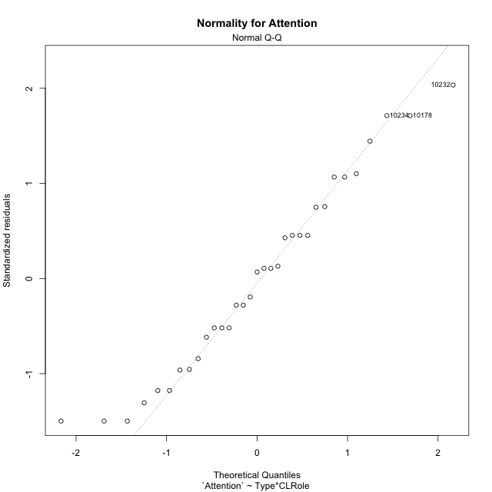

Levene's Test for Homogeneity of Variance in Attention
Df | F value | Pr(>F)
3 | 2.5658015375 | 0.073814266333
29

Plots for homogeneity of variance
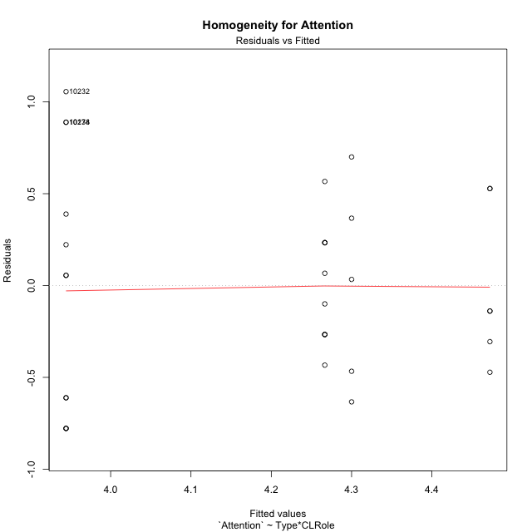

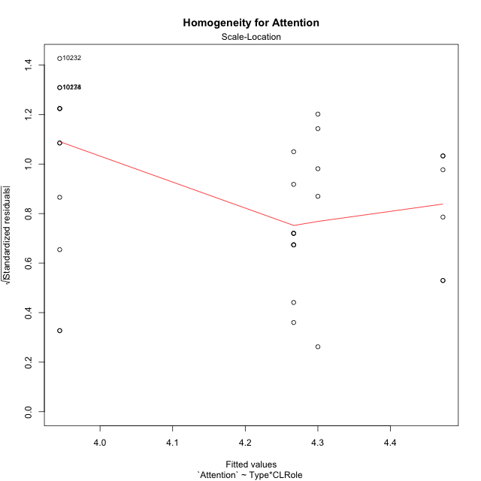

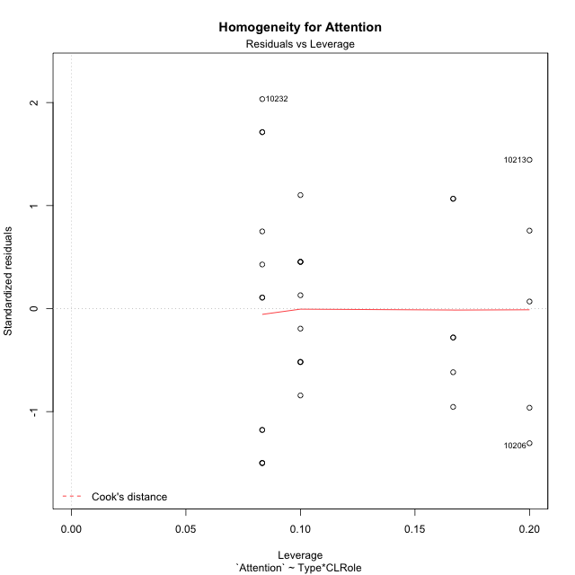

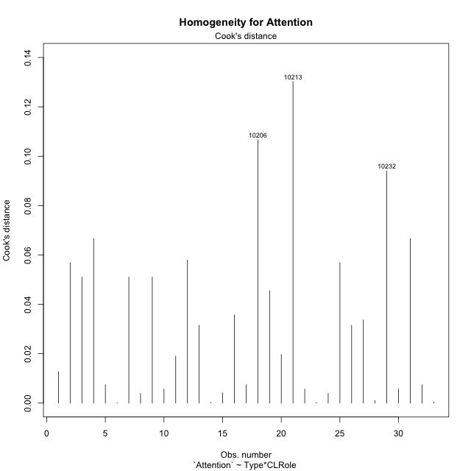

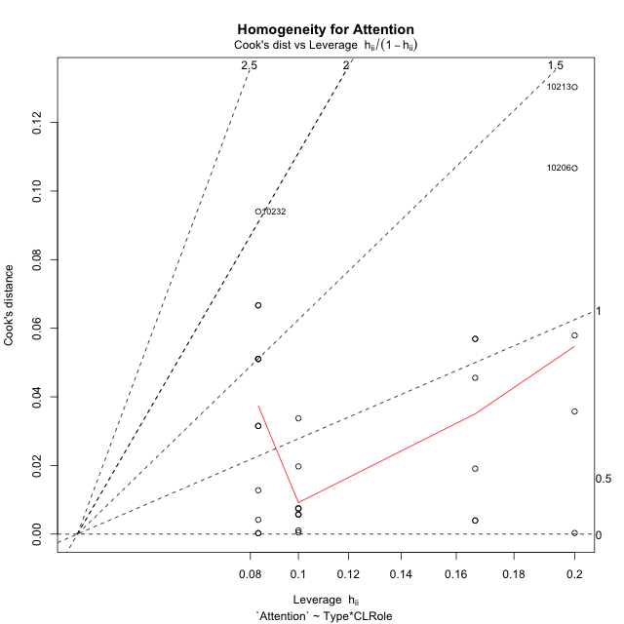

Minimum Sample Size Test for Attention
Type | CLRole | Freq
non-gamified | Apprentice | 12
ont-gamified | Apprentice | 10
non-gamified | Master | 5
ont-gamified | Master | 6

Errors and Warnings in Sample Size Test for ANOVA in Attention
code | description
WARN: sample.size | current.size is = 12 and recommended.size must be = 15 for the group: 'non-gamified:Apprentice'. Size sample for parametric test isn't recomended
WARN: sample.size | current.size is = 10 and recommended.size must be = 15 for the group: 'ont-gamified:Apprentice'. Size sample for parametric test isn't recomended
WARN: sample.size | current.size is = 5 and recommended.size must be = 15 for the group: 'non-gamified:Master'. Size sample for parametric test isn't recomended
WARN: sample.size | current.size is = 6 and recommended.size must be = 15 for the group: 'ont-gamified:Master'. Size sample for parametric test isn't recomended

For the group: 'non-gamified:Apprentice', we recommend the use of non parametric test. For the group: 'ont-gamified:Apprentice', we recommend the use of non parametric test. For the group: 'non-gamified:Master', we recommend the use of non parametric test. For the group: 'ont-gamified:Master', we recommend the use of non parametric test.

If you don't want to remove non-normal data, you must cite the following references: ... (1) Lix, L.M., J.C. Keselman, and H.J. Keselman. 1996. Consequences of assumption violations revisited: A quantitative review of alternatives to the one-way analysis of variance F test. Rev. Educ. Res. 66: 579-619. ... (2) Harwell, M.R., E.N. Rubinstein, W.S. Hayes, and C.C. Olds. 1992. Summarizing Monte Carlo results in methodological research: the one- and two-factor fixed effects ANOVA cases. J. Educ. Stat. 17: 315-339.

Post-hoc
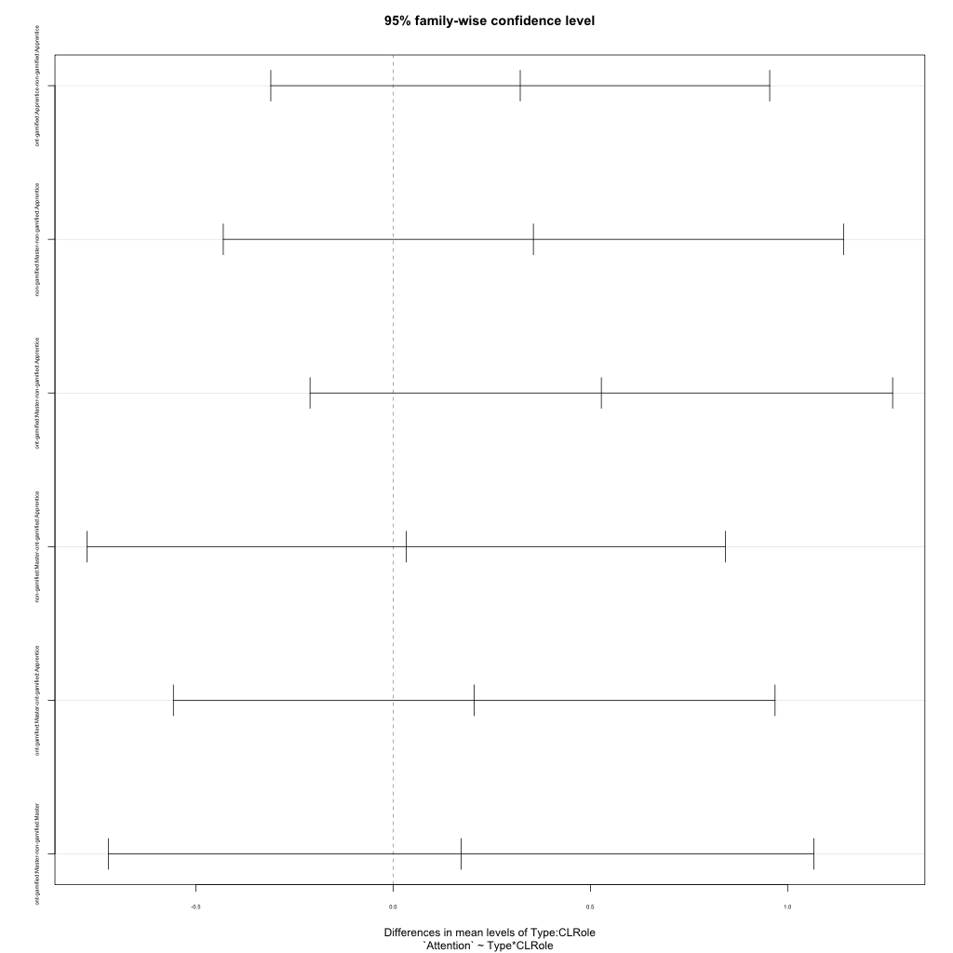
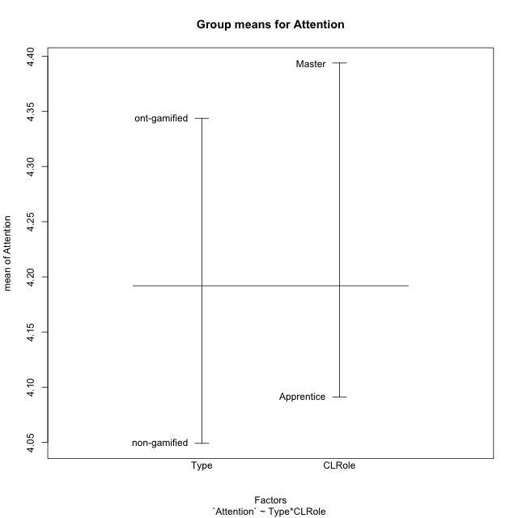
Post-hoc Tukey Honestly Significant Difference (HSD) Test for Attention

Comparisons of means for Type
 | diff | lwr | upr | p adj
ont-gamified-non-gamified | 0.29473039216 | -0.091388663228 | 0.68084944754 | 0.1293352919

Comparisons of means for CLRole
 | diff | lwr | upr | p adj
Master-Apprentice | 0.27623663102 | -0.13311639401 | 0.68558965604 | 0.1780889978

Comparisons of means for Type:CLRole
 | diff | lwr | upr | p adj
ont-gamified:Apprentice-non-gamified:Apprentice | 0.32222222222 | -0.31006675689 | 0.95451120133 | 0.51642955942
non-gamified:Master-non-gamified:Apprentice | 0.35555555556 | -0.4304827851 | 1.1415938962 | 0.61186981322
ont-gamified:Master-non-gamified:Apprentice | 0.52777777778 | -0.21057667618 | 1.2661322317 | 0.23114867762
non-gamified:Master-ont-gamified:Apprentice | 0.033333333333 | -0.77549344641 | 0.84216011307 | 0.99948125278
ont-gamified:Master-ont-gamified:Apprentice | 0.20555555556 | -0.55701364546 | 0.96812475657 | 0.88244372367
ont-gamified:Master-non-gamified:Master | 0.17222222222 | -0.72196942737 | 1.0664138718 | 0.95241696527

Contrast Matrices for Attention - Type
contrast | estimate | SE | df | t.ratio | p.value
non-gamified - ont-gamified | -0.24722222222 | 0.20098238138 | 29 | -1.2300691261 | 0.22855678364

Contrast Matrices for Attention - Type:CLRole
contrast | CLRole | estimate | SE | df | t.ratio | p.value
non-gamified - ont-gamified | Apprentice | -0.32222222222 | 0.23207446398 | 29 | -1.3884432466 | 0.17557570473
non-gamified - ont-gamified | Master | -0.17222222222 | 0.32820285444 | 29 | -0.52474321868 | 0.60375036982

Least Squares Means and Confidence Intervals for Type
Type | lsmean | SE | df | lower.CL | upper.CL | Pairs
non-gamified | 4.1222222222 | 0.14425320748 | 29 | 3.8271912863 | 4.4172531581 | non-gamified
ont-gamified | 4.3694444444 | 0.13994616735 | 29 | 4.0832223947 | 4.6556664942 | ont-gamified

Least Squares Means and Confidence Intervals for Type:CLRole
Type | CLRole | lsmean | SE | df | lower.CL | upper.CL | Pairs
non-gamified | Apprentice | 3.9444444444 | 0.1564645717 | 29 | 3.6244384645 | 4.2644504244 | non-gamified.Apprentice
ont-gamified | Apprentice | 4.2666666667 | 0.17139835074 | 29 | 3.9161176791 | 4.6172156542 | ont-gamified.Apprentice
non-gamified | Master | 4.3 | 0.24239387218 | 29 | 3.8042488675 | 4.7957511325 | non-gamified.Master
ont-gamified | Master | 4.4722222222 | 0.22127431933 | 29 | 4.0196654253 | 4.9247790192 | ont-gamified.Master

Plots

Type_1
Student's t-Test for Attention in Type between non-gamified:ont-gamified

Student's t-Test results
Alternative hypothesis: less
Group | N | Mean | Mean.Difference | Std.deviation | Std.error | CI.lower | CI.upper | df | t.value | p.value | g | magnitude
non-gamified | 17 | 4.0490196078 | -0.29473039216 | 0.66865512277 | 0.16217268813 | 3.7246742316 | 4.3733649841 | 24.954939479 | -1.5865373682 | 0.062604495801 | -0.53001399859 | medium
ont-gamified | 16 | 4.34375 | 0.29473039216 | 0.36244412085 | 0.090611030213 | 4.1625279396 | 4.5249720604 | 24.954939479 | -1.5865373682 | 0.062604495801 | -0.53001399859 | medium
Alternative hypothesis: greater
Group | N | Mean | Mean.Difference | Std.deviation | Std.error | CI.lower | CI.upper | df | t.value | p.value | g | magnitude
non-gamified | 17 | 4.0490196078 | -0.29473039216 | 0.66865512277 | 0.16217268813 | 3.7246742316 | 4.3733649841 | 24.954939479 | -1.5865373682 | 0.9373955042 | -0.53001399859 | medium
ont-gamified | 16 | 4.34375 | 0.29473039216 | 0.36244412085 | 0.090611030213 | 4.1625279396 | 4.5249720604 | 24.954939479 | -1.5865373682 | 0.9373955042 | -0.53001399859 | medium
Alternative hypothesis: two.sided
Group | N | Mean | Mean.Difference | Std.deviation | Std.error | CI.lower | CI.upper | df | t.value | p.value | g | magnitude
non-gamified | 17 | 4.0490196078 | -0.29473039216 | 0.66865512277 | 0.16217268813 | 3.7246742316 | 4.3733649841 | 24.954939479 | -1.5865373682 | 0.1252089916 | -0.53001399859 | medium
ont-gamified | 16 | 4.34375 | 0.29473039216 | 0.36244412085 | 0.090611030213 | 4.1625279396 | 4.5249720604 | 24.954939479 | -1.5865373682 | 0.1252089916 | -0.53001399859 | medium

Box plots for Student's t-Test
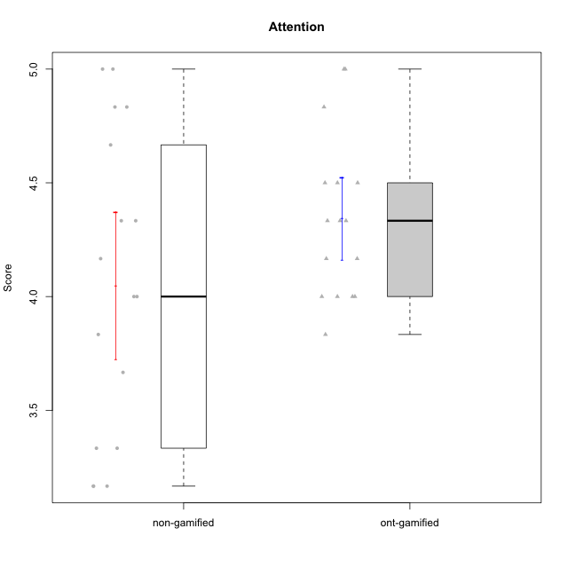

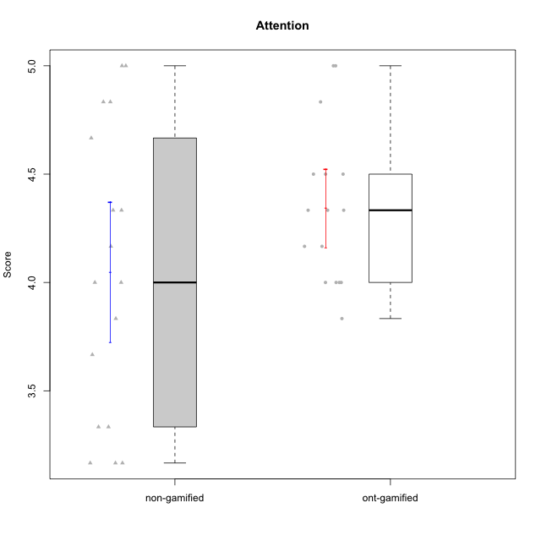

Student's t-Test data
UserID | NroUSP | Type | CLGroup | CLRole | PlayerRole | Item01A | Item04A | Item05A | Item12A | Item19A | Item20A | Item09S | Item11S | Item14S | Item24S | Item25S | Attention | Satisfaction | Level of Motivation
10170 | 10260351 | non-gamified | Grupo Team 6 | Apprentice |  | 4 | 5 | 4 | 5 | 5 | 3 | 4 | 5 | 4 | 6 | 6 | 4.3333333333 | 5 | 4.6363636364
10171 | 698531 | ont-gamified | Grupo Losvakai | Master | Yee Achiever | 5 | 5 | 6 | 5 | 5 | 4 | 4 | 5 | 6 | 6 | 7 | 5 | 5.6 | 5.2727272727
10174 | 10276852 | non-gamified | Grupo Team 1 | Apprentice |  | 4 | 4 | 4 | 3 | 1 | 3 | 2 | 4 | 2 | 4 | 4 | 3.1666666667 | 3.2 | 3.1818181818
10178 | 8656201 | non-gamified | Grupo Team 11 | Apprentice |  | 4 | 5 | 5 | 5 | 5 | 5 | 4 | 5 | 4 | 5 | 5 | 4.8333333333 | 4.6 | 4.7272727273
10179 | 10310759 | ont-gamified | Grupo Tosskor | Apprentice | Yee Achiever | 4 | 4 | 4 | 4 | 4 | 4 | 2 | 4 | 3 | 6 | 6 | 4 | 4.2 | 4.0909090909
10181 | 10276866 | non-gamified | Grupo Team 7 | Apprentice |  | 5 | 5 | 4 | 5 | 1 | 4 | 3 | 5 | 5 | 3 | 3 | 4 | 3.8 | 3.9090909091
10183 | 10352030 | non-gamified | Grupo Belos | Apprentice | Yee Socializer | 4 | 2 | 3 | 3 | 5 | 2 | 3 | 3 | 4 | 5 | 4 | 3.1666666667 | 3.8 | 3.4545454545
10185 | 10276960 | ont-gamified | Grupo Tosskor | Master | Yee Achiever | 4 | 5 | 5 | 4 | 5 | 3 | 3 | 4 | 4 | 4 | 4 | 4.3333333333 | 3.8 | 4.0909090909
10186 | 10310551 | non-gamified | Grupo Team 5 | Apprentice |  | 1 | 4 | 6 | 3 | 1 | 4 | 4 | 3 | 5 | 7 | 7 | 3.1666666667 | 5.2 | 4.0909090909
10187 | 9790781 | ont-gamified | Grupo Razorg | Apprentice | Yee Achiever | 6 | 4 | 4 | 4 | 4 | 5 | 5 | 4 | 5 | 5 | 5 | 4.5 | 4.8 | 4.6363636364
10188 | 10276995 | ont-gamified | Grupo Paldira | Master | Yee Achiever | 4 | 5 | 4 | 5 | 3 | 4 | 4 | 4 | 4 | 5 | 4 | 4.1666666667 | 4.2 | 4.1818181818
10193 | 10276762 | non-gamified | Grupo Team 2 | Master |  | 3 | 3 | 6 | 4 | 4 | 3 | 3 | 1 | 4 | 4 | 3 | 3.8333333333 | 3 | 3.4545454545
10196 | 10310655 | non-gamified | Grupo Team 5 | Apprentice |  | 4 | 1 | 3 | 4 | 4 | 4 | 4 | 4 | 5 | 2 | 4 | 3.3333333333 | 3.8 | 3.5454545455
10197 | 10276661 | non-gamified | Grupo Team 11 | Master |  | 7 | 5 | 4 | 4 | 2 | 4 | 4 | 3 | 3 | 4 | 6 | 4.3333333333 | 4 | 4.1818181818
10200 | 9795272 | non-gamified | Grupo Team 4 | Apprentice |  | 5 | 5 | 3 | 4 | 4 | 4 | 4 | 4 | 5 | 6 | 5 | 4.1666666667 | 4.8 | 4.4545454545
10201 | 10276928 | non-gamified | Grupo Team 10 | Master |  | 4 | 4 | 5 | 5 | 5 | 5 | 3 | 6 | 6 | 6 | 6 | 4.6666666667 | 5.4 | 5
10202 | 10277036 | ont-gamified | Grupo Paldira | Apprentice | Yee Achiever | 5 | 4 | 4 | 4 | 3 | 4 | 4 | 5 | 4 | 5 | 5 | 4 | 4.6 | 4.2727272727
10206 | 10310721 | non-gamified | Grupo Team 9 | Master |  | 4 | 5 | 3 | 3 | 4 | 3 | 4 | 4 | 5 | 6 | 5 | 3.6666666667 | 4.8 | 4.1818181818
10208 | 10276932 | ont-gamified | Grupo Yeka | Master | Yee Socializer | 4 | 3 | 5 | 3 | 5 | 4 | 4 | 5 | 4 | 5 | 4 | 4 | 4.4 | 4.1818181818
10210 | 10277015 | ont-gamified | Grupo Losvakai | Apprentice | Yee Achiever | 4 | 4 | 6 | 4 | 2 | 3 | 2 | 4 | 6 | 3 | 3 | 3.8333333333 | 3.6 | 3.7272727273
10213 | 10277040 | non-gamified | Grupo Team 8 | Master |  | 4 | 3 | 7 | 5 | 6 | 5 | 2 | 4 | 6 | 6 | 7 | 5 | 5 | 5
10214 | 10277022 | ont-gamified | Grupo Koil | Apprentice | Yee Achiever | 4 | 5 | 5 | 4 | 5 | 4 | 3 | 4 | 4 | 5 | 5 | 4.5 | 4.2 | 4.3636363636
10215 | 9285227 | non-gamified | Grupo Team 7 | Apprentice |  | 6 | 4 | 3 | 3 | 4 | 4 | 7 | 4 | 5 | 6 | 6 | 4 | 5.6 | 4.7272727273
10216 | 10276720 | ont-gamified | Grupo Ellaru | Master | Yee Socializer | 2 | 5 | 7 | 3 | 7 | 2 | 4 | 7 | 6 | 7 | 7 | 4.3333333333 | 6.2 | 5.1818181818
10217 | 9805341 | ont-gamified | Grupo Belos | Master | Yee Socializer | 5 | 6 | 6 | 4 | 4 | 5 | 4 | 6 | 6 | 6 | 6 | 5 | 5.6 | 5.2727272727
10221 | 9082496 | non-gamified | Grupo Team 3 | Apprentice |  | 4 | 2 | 3 | 3 | 4 | 4 | 4 | 6 | 3 | 4 | 6 | 3.3333333333 | 4.6 | 3.9090909091
10226 | 10310342 | ont-gamified | Grupo Yeka | Apprentice | Yee Socializer | 6 | 4 | 3 | 6 | 5 | 5 | 4 | 6 | 5 | 6 | 6 | 4.8333333333 | 5.4 | 5.0909090909
10228 | 10310492 | ont-gamified | Grupo Losvakai | Apprentice | Yee Achiever | 4 | 4 | 4 | 5 | 4 | 4 | 4 | 4 | 4 | 5 | 4 | 4.1666666667 | 4.2 | 4.1818181818
10232 | 10276974 | non-gamified | Grupo Team 3 | Apprentice |  | 5 | 5 | 5 | 5 | 5 | 5 | 5 | 6 | 5 | 7 | 1 | 5 | 4.8 | 4.9090909091
10233 | 9805320 | ont-gamified | Grupo Tosskor | Apprentice | Yee Achiever | 2 | 3 | 5 | 4 | 6 | 7 | 1 | 4 | 2 | 6 | 4 | 4.5 | 3.4 | 4
10234 | 10310676 | non-gamified | Grupo Team 6 | Apprentice |  | 4 | 4 | 5 | 4 | 6 | 6 | 2 | 4 | 3 | 4 | 4 | 4.8333333333 | 3.4 | 4.1818181818
10237 | 10377688 | ont-gamified | Grupo Ellaru | Apprentice | Yee Socializer | 4 | 3 | 6 | 4 | 4 | 3 | 4 | 5 | 5 | 5 | 5 | 4 | 4.8 | 4.3636363636
10238 | 10276953 | ont-gamified | Grupo Belos | Apprentice | Yee Socializer | 4 | 4 | 4 | 5 | 5 | 4 | 5 | 5 | 5 | 5 | 6 | 4.3333333333 | 5.2 | 4.7272727273

Type_CLRole_1
Student's t-Test for Attention in Type:CLRole between non-gamified.Apprentice:non-gamified.Master

Student's t-Test results
Alternative hypothesis: less
Group | N | Mean | Mean.Difference | Std.deviation | Std.error | CI.lower | CI.upper | df | t.value | p.value | g | magnitude
non-gamified.Apprentice | 12 | 3.9444444444 | -0.35555555556 | 0.70472192859 | 0.20343569759 | 3.5375730493 | 4.3513158396 | 9.5537339262 | -1.104613086 | 0.14818478347 | -0.5046749756 | medium
non-gamified.Master | 5 | 4.3 | 0.35555555556 | 0.55777335102 | 0.24944382578 | 3.8011123484 | 4.7988876516 | 9.5537339262 | -1.104613086 | 0.14818478347 | -0.5046749756 | medium
Alternative hypothesis: greater
Group | N | Mean | Mean.Difference | Std.deviation | Std.error | CI.lower | CI.upper | df | t.value | p.value | g | magnitude
non-gamified.Apprentice | 12 | 3.9444444444 | -0.35555555556 | 0.70472192859 | 0.20343569759 | 3.5375730493 | 4.3513158396 | 9.5537339262 | -1.104613086 | 0.85181521653 | -0.5046749756 | medium
non-gamified.Master | 5 | 4.3 | 0.35555555556 | 0.55777335102 | 0.24944382578 | 3.8011123484 | 4.7988876516 | 9.5537339262 | -1.104613086 | 0.85181521653 | -0.5046749756 | medium
Alternative hypothesis: two.sided
Group | N | Mean | Mean.Difference | Std.deviation | Std.error | CI.lower | CI.upper | df | t.value | p.value | g | magnitude
non-gamified.Apprentice | 12 | 3.9444444444 | -0.35555555556 | 0.70472192859 | 0.20343569759 | 3.5375730493 | 4.3513158396 | 9.5537339262 | -1.104613086 | 0.29636956695 | -0.5046749756 | medium
non-gamified.Master | 5 | 4.3 | 0.35555555556 | 0.55777335102 | 0.24944382578 | 3.8011123484 | 4.7988876516 | 9.5537339262 | -1.104613086 | 0.29636956695 | -0.5046749756 | medium

Box plots for Student's t-Test
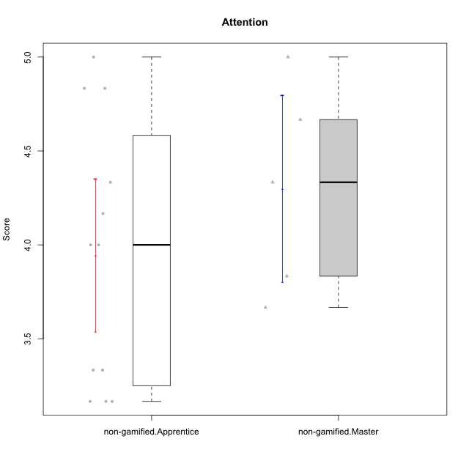

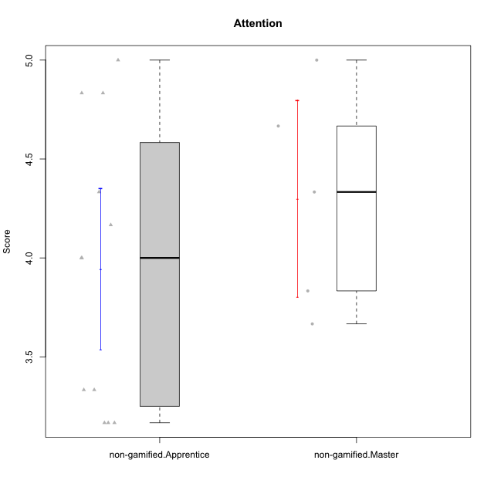

Student's t-Test data
UserID | NroUSP | Type | CLGroup | CLRole | PlayerRole | Item01A | Item04A | Item05A | Item12A | Item19A | Item20A | Item09S | Item11S | Item14S | Item24S | Item25S | Attention | Satisfaction | Level of Motivation
10170 | 10260351 | non-gamified | Grupo Team 6 | Apprentice |  | 4 | 5 | 4 | 5 | 5 | 3 | 4 | 5 | 4 | 6 | 6 | 4.3333333333 | 5 | 4.6363636364
10174 | 10276852 | non-gamified | Grupo Team 1 | Apprentice |  | 4 | 4 | 4 | 3 | 1 | 3 | 2 | 4 | 2 | 4 | 4 | 3.1666666667 | 3.2 | 3.1818181818
10178 | 8656201 | non-gamified | Grupo Team 11 | Apprentice |  | 4 | 5 | 5 | 5 | 5 | 5 | 4 | 5 | 4 | 5 | 5 | 4.8333333333 | 4.6 | 4.7272727273
10181 | 10276866 | non-gamified | Grupo Team 7 | Apprentice |  | 5 | 5 | 4 | 5 | 1 | 4 | 3 | 5 | 5 | 3 | 3 | 4 | 3.8 | 3.9090909091
10183 | 10352030 | non-gamified | Grupo Belos | Apprentice | Yee Socializer | 4 | 2 | 3 | 3 | 5 | 2 | 3 | 3 | 4 | 5 | 4 | 3.1666666667 | 3.8 | 3.4545454545
10186 | 10310551 | non-gamified | Grupo Team 5 | Apprentice |  | 1 | 4 | 6 | 3 | 1 | 4 | 4 | 3 | 5 | 7 | 7 | 3.1666666667 | 5.2 | 4.0909090909
10193 | 10276762 | non-gamified | Grupo Team 2 | Master |  | 3 | 3 | 6 | 4 | 4 | 3 | 3 | 1 | 4 | 4 | 3 | 3.8333333333 | 3 | 3.4545454545
10196 | 10310655 | non-gamified | Grupo Team 5 | Apprentice |  | 4 | 1 | 3 | 4 | 4 | 4 | 4 | 4 | 5 | 2 | 4 | 3.3333333333 | 3.8 | 3.5454545455
10197 | 10276661 | non-gamified | Grupo Team 11 | Master |  | 7 | 5 | 4 | 4 | 2 | 4 | 4 | 3 | 3 | 4 | 6 | 4.3333333333 | 4 | 4.1818181818
10200 | 9795272 | non-gamified | Grupo Team 4 | Apprentice |  | 5 | 5 | 3 | 4 | 4 | 4 | 4 | 4 | 5 | 6 | 5 | 4.1666666667 | 4.8 | 4.4545454545
10201 | 10276928 | non-gamified | Grupo Team 10 | Master |  | 4 | 4 | 5 | 5 | 5 | 5 | 3 | 6 | 6 | 6 | 6 | 4.6666666667 | 5.4 | 5
10206 | 10310721 | non-gamified | Grupo Team 9 | Master |  | 4 | 5 | 3 | 3 | 4 | 3 | 4 | 4 | 5 | 6 | 5 | 3.6666666667 | 4.8 | 4.1818181818
10213 | 10277040 | non-gamified | Grupo Team 8 | Master |  | 4 | 3 | 7 | 5 | 6 | 5 | 2 | 4 | 6 | 6 | 7 | 5 | 5 | 5
10215 | 9285227 | non-gamified | Grupo Team 7 | Apprentice |  | 6 | 4 | 3 | 3 | 4 | 4 | 7 | 4 | 5 | 6 | 6 | 4 | 5.6 | 4.7272727273
10221 | 9082496 | non-gamified | Grupo Team 3 | Apprentice |  | 4 | 2 | 3 | 3 | 4 | 4 | 4 | 6 | 3 | 4 | 6 | 3.3333333333 | 4.6 | 3.9090909091
10232 | 10276974 | non-gamified | Grupo Team 3 | Apprentice |  | 5 | 5 | 5 | 5 | 5 | 5 | 5 | 6 | 5 | 7 | 1 | 5 | 4.8 | 4.9090909091
10234 | 10310676 | non-gamified | Grupo Team 6 | Apprentice |  | 4 | 4 | 5 | 4 | 6 | 6 | 2 | 4 | 3 | 4 | 4 | 4.8333333333 | 3.4 | 4.1818181818

Type_CLRole_2
Student's t-Test for Attention in Type:CLRole between non-gamified.Apprentice:ont-gamified.Apprentice

Student's t-Test results
Alternative hypothesis: less
Group | N | Mean | Mean.Difference | Std.deviation | Std.error | CI.lower | CI.upper | df | t.value | p.value | g | magnitude
non-gamified.Apprentice | 12 | 3.9444444444 | -0.32222222222 | 0.70472192859 | 0.20343569759 | 3.5375730493 | 4.3513158396 | 15.828527806 | -1.4214537423 | 0.087294078886 | -0.54957540625 | medium
ont-gamified.Apprentice | 10 | 4.2666666667 | 0.32222222222 | 0.31622776602 | 0.1 | 4.0666666667 | 4.4666666667 | 15.828527806 | -1.4214537423 | 0.087294078886 | -0.54957540625 | medium
Alternative hypothesis: greater
Group | N | Mean | Mean.Difference | Std.deviation | Std.error | CI.lower | CI.upper | df | t.value | p.value | g | magnitude
non-gamified.Apprentice | 12 | 3.9444444444 | -0.32222222222 | 0.70472192859 | 0.20343569759 | 3.5375730493 | 4.3513158396 | 15.828527806 | -1.4214537423 | 0.91270592111 | -0.54957540625 | medium
ont-gamified.Apprentice | 10 | 4.2666666667 | 0.32222222222 | 0.31622776602 | 0.1 | 4.0666666667 | 4.4666666667 | 15.828527806 | -1.4214537423 | 0.91270592111 | -0.54957540625 | medium
Alternative hypothesis: two.sided
Group | N | Mean | Mean.Difference | Std.deviation | Std.error | CI.lower | CI.upper | df | t.value | p.value | g | magnitude
non-gamified.Apprentice | 12 | 3.9444444444 | -0.32222222222 | 0.70472192859 | 0.20343569759 | 3.5375730493 | 4.3513158396 | 15.828527806 | -1.4214537423 | 0.17458815777 | -0.54957540625 | medium
ont-gamified.Apprentice | 10 | 4.2666666667 | 0.32222222222 | 0.31622776602 | 0.1 | 4.0666666667 | 4.4666666667 | 15.828527806 | -1.4214537423 | 0.17458815777 | -0.54957540625 | medium

Box plots for Student's t-Test
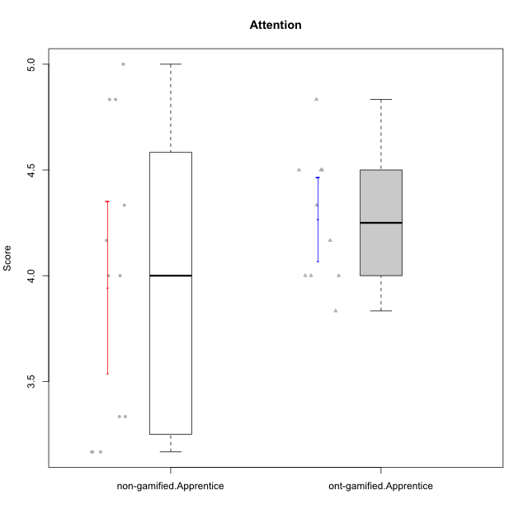

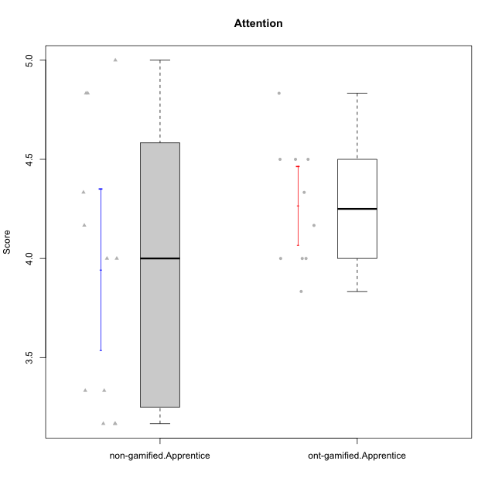

Student's t-Test data
UserID | NroUSP | Type | CLGroup | CLRole | PlayerRole | Item01A | Item04A | Item05A | Item12A | Item19A | Item20A | Item09S | Item11S | Item14S | Item24S | Item25S | Attention | Satisfaction | Level of Motivation
10170 | 10260351 | non-gamified | Grupo Team 6 | Apprentice |  | 4 | 5 | 4 | 5 | 5 | 3 | 4 | 5 | 4 | 6 | 6 | 4.3333333333 | 5 | 4.6363636364
10174 | 10276852 | non-gamified | Grupo Team 1 | Apprentice |  | 4 | 4 | 4 | 3 | 1 | 3 | 2 | 4 | 2 | 4 | 4 | 3.1666666667 | 3.2 | 3.1818181818
10178 | 8656201 | non-gamified | Grupo Team 11 | Apprentice |  | 4 | 5 | 5 | 5 | 5 | 5 | 4 | 5 | 4 | 5 | 5 | 4.8333333333 | 4.6 | 4.7272727273
10179 | 10310759 | ont-gamified | Grupo Tosskor | Apprentice | Yee Achiever | 4 | 4 | 4 | 4 | 4 | 4 | 2 | 4 | 3 | 6 | 6 | 4 | 4.2 | 4.0909090909
10181 | 10276866 | non-gamified | Grupo Team 7 | Apprentice |  | 5 | 5 | 4 | 5 | 1 | 4 | 3 | 5 | 5 | 3 | 3 | 4 | 3.8 | 3.9090909091
10183 | 10352030 | non-gamified | Grupo Belos | Apprentice | Yee Socializer | 4 | 2 | 3 | 3 | 5 | 2 | 3 | 3 | 4 | 5 | 4 | 3.1666666667 | 3.8 | 3.4545454545
10186 | 10310551 | non-gamified | Grupo Team 5 | Apprentice |  | 1 | 4 | 6 | 3 | 1 | 4 | 4 | 3 | 5 | 7 | 7 | 3.1666666667 | 5.2 | 4.0909090909
10187 | 9790781 | ont-gamified | Grupo Razorg | Apprentice | Yee Achiever | 6 | 4 | 4 | 4 | 4 | 5 | 5 | 4 | 5 | 5 | 5 | 4.5 | 4.8 | 4.6363636364
10196 | 10310655 | non-gamified | Grupo Team 5 | Apprentice |  | 4 | 1 | 3 | 4 | 4 | 4 | 4 | 4 | 5 | 2 | 4 | 3.3333333333 | 3.8 | 3.5454545455
10200 | 9795272 | non-gamified | Grupo Team 4 | Apprentice |  | 5 | 5 | 3 | 4 | 4 | 4 | 4 | 4 | 5 | 6 | 5 | 4.1666666667 | 4.8 | 4.4545454545
10202 | 10277036 | ont-gamified | Grupo Paldira | Apprentice | Yee Achiever | 5 | 4 | 4 | 4 | 3 | 4 | 4 | 5 | 4 | 5 | 5 | 4 | 4.6 | 4.2727272727
10210 | 10277015 | ont-gamified | Grupo Losvakai | Apprentice | Yee Achiever | 4 | 4 | 6 | 4 | 2 | 3 | 2 | 4 | 6 | 3 | 3 | 3.8333333333 | 3.6 | 3.7272727273
10214 | 10277022 | ont-gamified | Grupo Koil | Apprentice | Yee Achiever | 4 | 5 | 5 | 4 | 5 | 4 | 3 | 4 | 4 | 5 | 5 | 4.5 | 4.2 | 4.3636363636
10215 | 9285227 | non-gamified | Grupo Team 7 | Apprentice |  | 6 | 4 | 3 | 3 | 4 | 4 | 7 | 4 | 5 | 6 | 6 | 4 | 5.6 | 4.7272727273
10221 | 9082496 | non-gamified | Grupo Team 3 | Apprentice |  | 4 | 2 | 3 | 3 | 4 | 4 | 4 | 6 | 3 | 4 | 6 | 3.3333333333 | 4.6 | 3.9090909091
10226 | 10310342 | ont-gamified | Grupo Yeka | Apprentice | Yee Socializer | 6 | 4 | 3 | 6 | 5 | 5 | 4 | 6 | 5 | 6 | 6 | 4.8333333333 | 5.4 | 5.0909090909
10228 | 10310492 | ont-gamified | Grupo Losvakai | Apprentice | Yee Achiever | 4 | 4 | 4 | 5 | 4 | 4 | 4 | 4 | 4 | 5 | 4 | 4.1666666667 | 4.2 | 4.1818181818
10232 | 10276974 | non-gamified | Grupo Team 3 | Apprentice |  | 5 | 5 | 5 | 5 | 5 | 5 | 5 | 6 | 5 | 7 | 1 | 5 | 4.8 | 4.9090909091
10233 | 9805320 | ont-gamified | Grupo Tosskor | Apprentice | Yee Achiever | 2 | 3 | 5 | 4 | 6 | 7 | 1 | 4 | 2 | 6 | 4 | 4.5 | 3.4 | 4
10234 | 10310676 | non-gamified | Grupo Team 6 | Apprentice |  | 4 | 4 | 5 | 4 | 6 | 6 | 2 | 4 | 3 | 4 | 4 | 4.8333333333 | 3.4 | 4.1818181818
10237 | 10377688 | ont-gamified | Grupo Ellaru | Apprentice | Yee Socializer | 4 | 3 | 6 | 4 | 4 | 3 | 4 | 5 | 5 | 5 | 5 | 4 | 4.8 | 4.3636363636
10238 | 10276953 | ont-gamified | Grupo Belos | Apprentice | Yee Socializer | 4 | 4 | 4 | 5 | 5 | 4 | 5 | 5 | 5 | 5 | 6 | 4.3333333333 | 5.2 | 4.7272727273

Type_CLRole_3
Student's t-Test for Attention in Type:CLRole between non-gamified.Apprentice:ont-gamified.Master

Student's t-Test results
Alternative hypothesis: less
Group | N | Mean | Mean.Difference | Std.deviation | Std.error | CI.lower | CI.upper | df | t.value | p.value | g | magnitude
non-gamified.Apprentice | 12 | 3.9444444444 | -0.52777777778 | 0.70472192859 | 0.20343569759 | 3.5375730493 | 4.3513158396 | 15.132332353 | -1.9698231505 | 0.033722029157 | -0.79630913509 | medium
ont-gamified.Master | 6 | 4.4722222222 | 0.52777777778 | 0.42709180208 | 0.17435949807 | 4.1235032261 | 4.8209412184 | 15.132332353 | -1.9698231505 | 0.033722029157 | -0.79630913509 | medium
Alternative hypothesis: greater
Group | N | Mean | Mean.Difference | Std.deviation | Std.error | CI.lower | CI.upper | df | t.value | p.value | g | magnitude
non-gamified.Apprentice | 12 | 3.9444444444 | -0.52777777778 | 0.70472192859 | 0.20343569759 | 3.5375730493 | 4.3513158396 | 15.132332353 | -1.9698231505 | 0.96627797084 | -0.79630913509 | medium
ont-gamified.Master | 6 | 4.4722222222 | 0.52777777778 | 0.42709180208 | 0.17435949807 | 4.1235032261 | 4.8209412184 | 15.132332353 | -1.9698231505 | 0.96627797084 | -0.79630913509 | medium
Alternative hypothesis: two.sided
Group | N | Mean | Mean.Difference | Std.deviation | Std.error | CI.lower | CI.upper | df | t.value | p.value | g | magnitude
non-gamified.Apprentice | 12 | 3.9444444444 | -0.52777777778 | 0.70472192859 | 0.20343569759 | 3.5375730493 | 4.3513158396 | 15.132332353 | -1.9698231505 | 0.067444058314 | -0.79630913509 | medium
ont-gamified.Master | 6 | 4.4722222222 | 0.52777777778 | 0.42709180208 | 0.17435949807 | 4.1235032261 | 4.8209412184 | 15.132332353 | -1.9698231505 | 0.067444058314 | -0.79630913509 | medium

Box plots for Student's t-Test
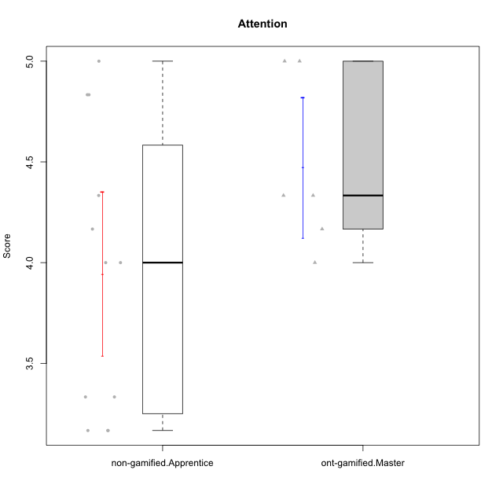

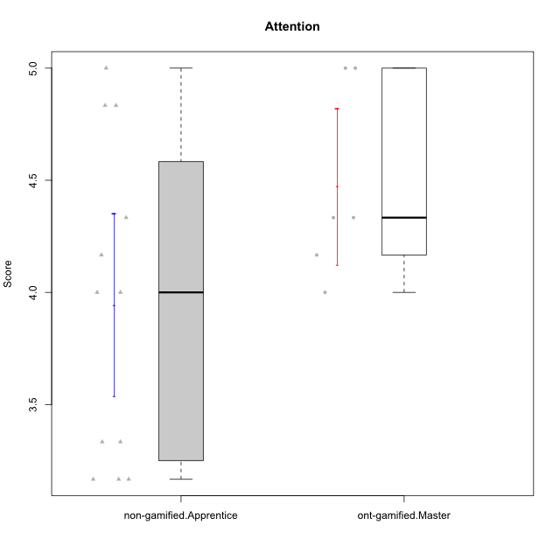

Student's t-Test data
UserID | NroUSP | Type | CLGroup | CLRole | PlayerRole | Item01A | Item04A | Item05A | Item12A | Item19A | Item20A | Item09S | Item11S | Item14S | Item24S | Item25S | Attention | Satisfaction | Level of Motivation
10170 | 10260351 | non-gamified | Grupo Team 6 | Apprentice |  | 4 | 5 | 4 | 5 | 5 | 3 | 4 | 5 | 4 | 6 | 6 | 4.3333333333 | 5 | 4.6363636364
10171 | 698531 | ont-gamified | Grupo Losvakai | Master | Yee Achiever | 5 | 5 | 6 | 5 | 5 | 4 | 4 | 5 | 6 | 6 | 7 | 5 | 5.6 | 5.2727272727
10174 | 10276852 | non-gamified | Grupo Team 1 | Apprentice |  | 4 | 4 | 4 | 3 | 1 | 3 | 2 | 4 | 2 | 4 | 4 | 3.1666666667 | 3.2 | 3.1818181818
10178 | 8656201 | non-gamified | Grupo Team 11 | Apprentice |  | 4 | 5 | 5 | 5 | 5 | 5 | 4 | 5 | 4 | 5 | 5 | 4.8333333333 | 4.6 | 4.7272727273
10181 | 10276866 | non-gamified | Grupo Team 7 | Apprentice |  | 5 | 5 | 4 | 5 | 1 | 4 | 3 | 5 | 5 | 3 | 3 | 4 | 3.8 | 3.9090909091
10183 | 10352030 | non-gamified | Grupo Belos | Apprentice | Yee Socializer | 4 | 2 | 3 | 3 | 5 | 2 | 3 | 3 | 4 | 5 | 4 | 3.1666666667 | 3.8 | 3.4545454545
10185 | 10276960 | ont-gamified | Grupo Tosskor | Master | Yee Achiever | 4 | 5 | 5 | 4 | 5 | 3 | 3 | 4 | 4 | 4 | 4 | 4.3333333333 | 3.8 | 4.0909090909
10186 | 10310551 | non-gamified | Grupo Team 5 | Apprentice |  | 1 | 4 | 6 | 3 | 1 | 4 | 4 | 3 | 5 | 7 | 7 | 3.1666666667 | 5.2 | 4.0909090909
10188 | 10276995 | ont-gamified | Grupo Paldira | Master | Yee Achiever | 4 | 5 | 4 | 5 | 3 | 4 | 4 | 4 | 4 | 5 | 4 | 4.1666666667 | 4.2 | 4.1818181818
10196 | 10310655 | non-gamified | Grupo Team 5 | Apprentice |  | 4 | 1 | 3 | 4 | 4 | 4 | 4 | 4 | 5 | 2 | 4 | 3.3333333333 | 3.8 | 3.5454545455
10200 | 9795272 | non-gamified | Grupo Team 4 | Apprentice |  | 5 | 5 | 3 | 4 | 4 | 4 | 4 | 4 | 5 | 6 | 5 | 4.1666666667 | 4.8 | 4.4545454545
10208 | 10276932 | ont-gamified | Grupo Yeka | Master | Yee Socializer | 4 | 3 | 5 | 3 | 5 | 4 | 4 | 5 | 4 | 5 | 4 | 4 | 4.4 | 4.1818181818
10215 | 9285227 | non-gamified | Grupo Team 7 | Apprentice |  | 6 | 4 | 3 | 3 | 4 | 4 | 7 | 4 | 5 | 6 | 6 | 4 | 5.6 | 4.7272727273
10216 | 10276720 | ont-gamified | Grupo Ellaru | Master | Yee Socializer | 2 | 5 | 7 | 3 | 7 | 2 | 4 | 7 | 6 | 7 | 7 | 4.3333333333 | 6.2 | 5.1818181818
10217 | 9805341 | ont-gamified | Grupo Belos | Master | Yee Socializer | 5 | 6 | 6 | 4 | 4 | 5 | 4 | 6 | 6 | 6 | 6 | 5 | 5.6 | 5.2727272727
10221 | 9082496 | non-gamified | Grupo Team 3 | Apprentice |  | 4 | 2 | 3 | 3 | 4 | 4 | 4 | 6 | 3 | 4 | 6 | 3.3333333333 | 4.6 | 3.9090909091
10232 | 10276974 | non-gamified | Grupo Team 3 | Apprentice |  | 5 | 5 | 5 | 5 | 5 | 5 | 5 | 6 | 5 | 7 | 1 | 5 | 4.8 | 4.9090909091
10234 | 10310676 | non-gamified | Grupo Team 6 | Apprentice |  | 4 | 4 | 5 | 4 | 6 | 6 | 2 | 4 | 3 | 4 | 4 | 4.8333333333 | 3.4 | 4.1818181818

Type_CLRole_4
Student's t-Test for Attention in Type:CLRole between non-gamified.Master:ont-gamified.Apprentice

Student's t-Test results
Alternative hypothesis: less
Group | N | Mean | Mean.Difference | Std.deviation | Std.error | CI.lower | CI.upper | df | t.value | p.value | g | magnitude
non-gamified.Master | 5 | 4.3 | 0.033333333333 | 0.55777335102 | 0.24944382578 | 3.8011123484 | 4.7988876516 | 5.3278688525 | 0.12403473459 | 0.54708365495 | 0.077243880433 | negligible
ont-gamified.Apprentice | 10 | 4.2666666667 | -0.033333333333 | 0.31622776602 | 0.1 | 4.0666666667 | 4.4666666667 | 5.3278688525 | 0.12403473459 | 0.54708365495 | 0.077243880433 | negligible
Alternative hypothesis: greater
Group | N | Mean | Mean.Difference | Std.deviation | Std.error | CI.lower | CI.upper | df | t.value | p.value | g | magnitude
non-gamified.Master | 5 | 4.3 | 0.033333333333 | 0.55777335102 | 0.24944382578 | 3.8011123484 | 4.7988876516 | 5.3278688525 | 0.12403473459 | 0.45291634505 | 0.077243880433 | negligible
ont-gamified.Apprentice | 10 | 4.2666666667 | -0.033333333333 | 0.31622776602 | 0.1 | 4.0666666667 | 4.4666666667 | 5.3278688525 | 0.12403473459 | 0.45291634505 | 0.077243880433 | negligible
Alternative hypothesis: two.sided
Group | N | Mean | Mean.Difference | Std.deviation | Std.error | CI.lower | CI.upper | df | t.value | p.value | g | magnitude
non-gamified.Master | 5 | 4.3 | 0.033333333333 | 0.55777335102 | 0.24944382578 | 3.8011123484 | 4.7988876516 | 5.3278688525 | 0.12403473459 | 0.9058326901 | 0.077243880433 | negligible
ont-gamified.Apprentice | 10 | 4.2666666667 | -0.033333333333 | 0.31622776602 | 0.1 | 4.0666666667 | 4.4666666667 | 5.3278688525 | 0.12403473459 | 0.9058326901 | 0.077243880433 | negligible

Box plots for Student's t-Test
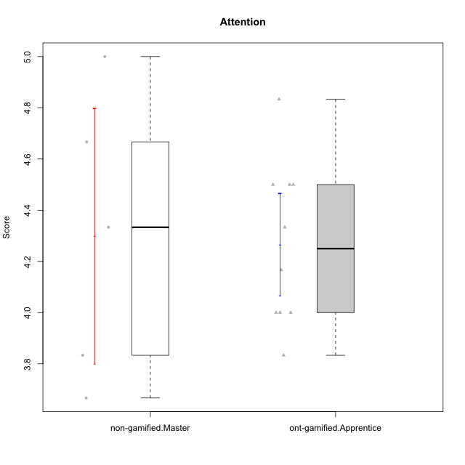

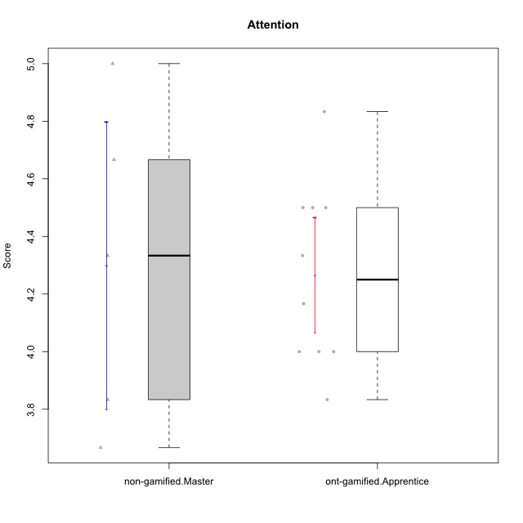

Student's t-Test data
UserID | NroUSP | Type | CLGroup | CLRole | PlayerRole | Item01A | Item04A | Item05A | Item12A | Item19A | Item20A | Item09S | Item11S | Item14S | Item24S | Item25S | Attention | Satisfaction | Level of Motivation
10179 | 10310759 | ont-gamified | Grupo Tosskor | Apprentice | Yee Achiever | 4 | 4 | 4 | 4 | 4 | 4 | 2 | 4 | 3 | 6 | 6 | 4 | 4.2 | 4.0909090909
10187 | 9790781 | ont-gamified | Grupo Razorg | Apprentice | Yee Achiever | 6 | 4 | 4 | 4 | 4 | 5 | 5 | 4 | 5 | 5 | 5 | 4.5 | 4.8 | 4.6363636364
10193 | 10276762 | non-gamified | Grupo Team 2 | Master |  | 3 | 3 | 6 | 4 | 4 | 3 | 3 | 1 | 4 | 4 | 3 | 3.8333333333 | 3 | 3.4545454545
10197 | 10276661 | non-gamified | Grupo Team 11 | Master |  | 7 | 5 | 4 | 4 | 2 | 4 | 4 | 3 | 3 | 4 | 6 | 4.3333333333 | 4 | 4.1818181818
10201 | 10276928 | non-gamified | Grupo Team 10 | Master |  | 4 | 4 | 5 | 5 | 5 | 5 | 3 | 6 | 6 | 6 | 6 | 4.6666666667 | 5.4 | 5
10202 | 10277036 | ont-gamified | Grupo Paldira | Apprentice | Yee Achiever | 5 | 4 | 4 | 4 | 3 | 4 | 4 | 5 | 4 | 5 | 5 | 4 | 4.6 | 4.2727272727
10206 | 10310721 | non-gamified | Grupo Team 9 | Master |  | 4 | 5 | 3 | 3 | 4 | 3 | 4 | 4 | 5 | 6 | 5 | 3.6666666667 | 4.8 | 4.1818181818
10210 | 10277015 | ont-gamified | Grupo Losvakai | Apprentice | Yee Achiever | 4 | 4 | 6 | 4 | 2 | 3 | 2 | 4 | 6 | 3 | 3 | 3.8333333333 | 3.6 | 3.7272727273
10213 | 10277040 | non-gamified | Grupo Team 8 | Master |  | 4 | 3 | 7 | 5 | 6 | 5 | 2 | 4 | 6 | 6 | 7 | 5 | 5 | 5
10214 | 10277022 | ont-gamified | Grupo Koil | Apprentice | Yee Achiever | 4 | 5 | 5 | 4 | 5 | 4 | 3 | 4 | 4 | 5 | 5 | 4.5 | 4.2 | 4.3636363636
10226 | 10310342 | ont-gamified | Grupo Yeka | Apprentice | Yee Socializer | 6 | 4 | 3 | 6 | 5 | 5 | 4 | 6 | 5 | 6 | 6 | 4.8333333333 | 5.4 | 5.0909090909
10228 | 10310492 | ont-gamified | Grupo Losvakai | Apprentice | Yee Achiever | 4 | 4 | 4 | 5 | 4 | 4 | 4 | 4 | 4 | 5 | 4 | 4.1666666667 | 4.2 | 4.1818181818
10233 | 9805320 | ont-gamified | Grupo Tosskor | Apprentice | Yee Achiever | 2 | 3 | 5 | 4 | 6 | 7 | 1 | 4 | 2 | 6 | 4 | 4.5 | 3.4 | 4
10237 | 10377688 | ont-gamified | Grupo Ellaru | Apprentice | Yee Socializer | 4 | 3 | 6 | 4 | 4 | 3 | 4 | 5 | 5 | 5 | 5 | 4 | 4.8 | 4.3636363636
10238 | 10276953 | ont-gamified | Grupo Belos | Apprentice | Yee Socializer | 4 | 4 | 4 | 5 | 5 | 4 | 5 | 5 | 5 | 5 | 6 | 4.3333333333 | 5.2 | 4.7272727273

Type_CLRole_5
Student's t-Test for Attention in Type:CLRole between non-gamified.Master:ont-gamified.Master

Student's t-Test results
Alternative hypothesis: less
Group | N | Mean | Mean.Difference | Std.deviation | Std.error | CI.lower | CI.upper | df | t.value | p.value | g | magnitude
non-gamified.Master | 5 | 4.3 | -0.17222222222 | 0.55777335102 | 0.24944382578 | 3.8011123484 | 4.7988876516 | 7.4423056105 | -0.56588566967 | 0.29406055543 | -0.32167663045 | small
ont-gamified.Master | 6 | 4.4722222222 | 0.17222222222 | 0.42709180208 | 0.17435949807 | 4.1235032261 | 4.8209412184 | 7.4423056105 | -0.56588566967 | 0.29406055543 | -0.32167663045 | small
Alternative hypothesis: greater
Group | N | Mean | Mean.Difference | Std.deviation | Std.error | CI.lower | CI.upper | df | t.value | p.value | g | magnitude
non-gamified.Master | 5 | 4.3 | -0.17222222222 | 0.55777335102 | 0.24944382578 | 3.8011123484 | 4.7988876516 | 7.4423056105 | -0.56588566967 | 0.70593944457 | -0.32167663045 | small
ont-gamified.Master | 6 | 4.4722222222 | 0.17222222222 | 0.42709180208 | 0.17435949807 | 4.1235032261 | 4.8209412184 | 7.4423056105 | -0.56588566967 | 0.70593944457 | -0.32167663045 | small
Alternative hypothesis: two.sided
Group | N | Mean | Mean.Difference | Std.deviation | Std.error | CI.lower | CI.upper | df | t.value | p.value | g | magnitude
non-gamified.Master | 5 | 4.3 | -0.17222222222 | 0.55777335102 | 0.24944382578 | 3.8011123484 | 4.7988876516 | 7.4423056105 | -0.56588566967 | 0.58812111085 | -0.32167663045 | small
ont-gamified.Master | 6 | 4.4722222222 | 0.17222222222 | 0.42709180208 | 0.17435949807 | 4.1235032261 | 4.8209412184 | 7.4423056105 | -0.56588566967 | 0.58812111085 | -0.32167663045 | small

Box plots for Student's t-Test
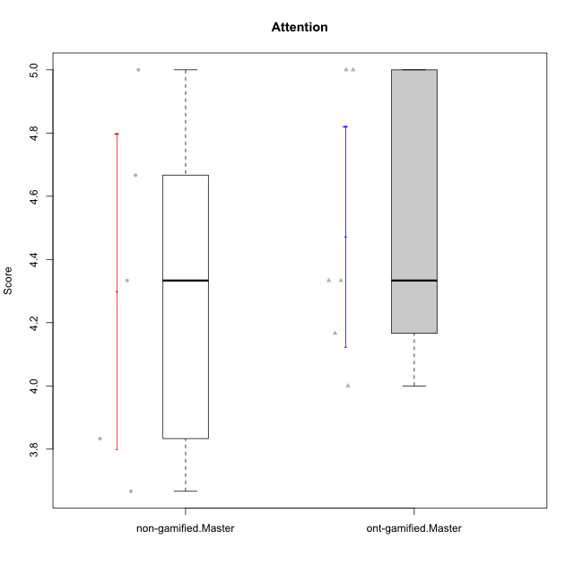

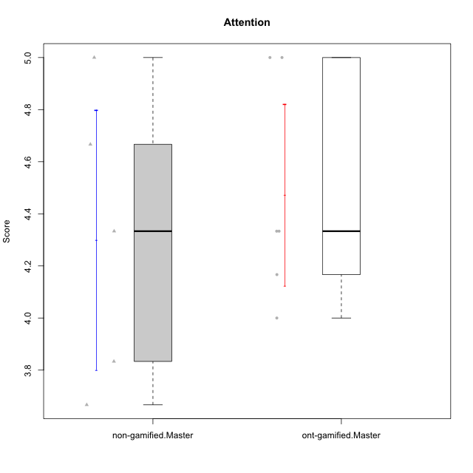

Student's t-Test data
UserID | NroUSP | Type | CLGroup | CLRole | PlayerRole | Item01A | Item04A | Item05A | Item12A | Item19A | Item20A | Item09S | Item11S | Item14S | Item24S | Item25S | Attention | Satisfaction | Level of Motivation
10171 | 698531 | ont-gamified | Grupo Losvakai | Master | Yee Achiever | 5 | 5 | 6 | 5 | 5 | 4 | 4 | 5 | 6 | 6 | 7 | 5 | 5.6 | 5.2727272727
10185 | 10276960 | ont-gamified | Grupo Tosskor | Master | Yee Achiever | 4 | 5 | 5 | 4 | 5 | 3 | 3 | 4 | 4 | 4 | 4 | 4.3333333333 | 3.8 | 4.0909090909
10188 | 10276995 | ont-gamified | Grupo Paldira | Master | Yee Achiever | 4 | 5 | 4 | 5 | 3 | 4 | 4 | 4 | 4 | 5 | 4 | 4.1666666667 | 4.2 | 4.1818181818
10193 | 10276762 | non-gamified | Grupo Team 2 | Master |  | 3 | 3 | 6 | 4 | 4 | 3 | 3 | 1 | 4 | 4 | 3 | 3.8333333333 | 3 | 3.4545454545
10197 | 10276661 | non-gamified | Grupo Team 11 | Master |  | 7 | 5 | 4 | 4 | 2 | 4 | 4 | 3 | 3 | 4 | 6 | 4.3333333333 | 4 | 4.1818181818
10201 | 10276928 | non-gamified | Grupo Team 10 | Master |  | 4 | 4 | 5 | 5 | 5 | 5 | 3 | 6 | 6 | 6 | 6 | 4.6666666667 | 5.4 | 5
10206 | 10310721 | non-gamified | Grupo Team 9 | Master |  | 4 | 5 | 3 | 3 | 4 | 3 | 4 | 4 | 5 | 6 | 5 | 3.6666666667 | 4.8 | 4.1818181818
10208 | 10276932 | ont-gamified | Grupo Yeka | Master | Yee Socializer | 4 | 3 | 5 | 3 | 5 | 4 | 4 | 5 | 4 | 5 | 4 | 4 | 4.4 | 4.1818181818
10213 | 10277040 | non-gamified | Grupo Team 8 | Master |  | 4 | 3 | 7 | 5 | 6 | 5 | 2 | 4 | 6 | 6 | 7 | 5 | 5 | 5
10216 | 10276720 | ont-gamified | Grupo Ellaru | Master | Yee Socializer | 2 | 5 | 7 | 3 | 7 | 2 | 4 | 7 | 6 | 7 | 7 | 4.3333333333 | 6.2 | 5.1818181818
10217 | 9805341 | ont-gamified | Grupo Belos | Master | Yee Socializer | 5 | 6 | 6 | 4 | 4 | 5 | 4 | 6 | 6 | 6 | 6 | 5 | 5.6 | 5.2727272727

Type_CLRole_6
Student's t-Test for Attention in Type:CLRole between ont-gamified.Apprentice:ont-gamified.Master

Student's t-Test results
Alternative hypothesis: less
Group | N | Mean | Mean.Difference | Std.deviation | Std.error | CI.lower | CI.upper | df | t.value | p.value | g | magnitude
ont-gamified.Apprentice | 10 | 4.2666666667 | -0.20555555556 | 0.31622776602 | 0.1 | 4.0666666667 | 4.4666666667 | 8.3296355531 | -1.0226614867 | 0.16762423808 | -0.54019474598 | medium
ont-gamified.Master | 6 | 4.4722222222 | 0.20555555556 | 0.42709180208 | 0.17435949807 | 4.1235032261 | 4.8209412184 | 8.3296355531 | -1.0226614867 | 0.16762423808 | -0.54019474598 | medium
Alternative hypothesis: greater
Group | N | Mean | Mean.Difference | Std.deviation | Std.error | CI.lower | CI.upper | df | t.value | p.value | g | magnitude
ont-gamified.Apprentice | 10 | 4.2666666667 | -0.20555555556 | 0.31622776602 | 0.1 | 4.0666666667 | 4.4666666667 | 8.3296355531 | -1.0226614867 | 0.83237576192 | -0.54019474598 | medium
ont-gamified.Master | 6 | 4.4722222222 | 0.20555555556 | 0.42709180208 | 0.17435949807 | 4.1235032261 | 4.8209412184 | 8.3296355531 | -1.0226614867 | 0.83237576192 | -0.54019474598 | medium
Alternative hypothesis: two.sided
Group | N | Mean | Mean.Difference | Std.deviation | Std.error | CI.lower | CI.upper | df | t.value | p.value | g | magnitude
ont-gamified.Apprentice | 10 | 4.2666666667 | -0.20555555556 | 0.31622776602 | 0.1 | 4.0666666667 | 4.4666666667 | 8.3296355531 | -1.0226614867 | 0.33524847617 | -0.54019474598 | medium
ont-gamified.Master | 6 | 4.4722222222 | 0.20555555556 | 0.42709180208 | 0.17435949807 | 4.1235032261 | 4.8209412184 | 8.3296355531 | -1.0226614867 | 0.33524847617 | -0.54019474598 | medium

Box plots for Student's t-Test
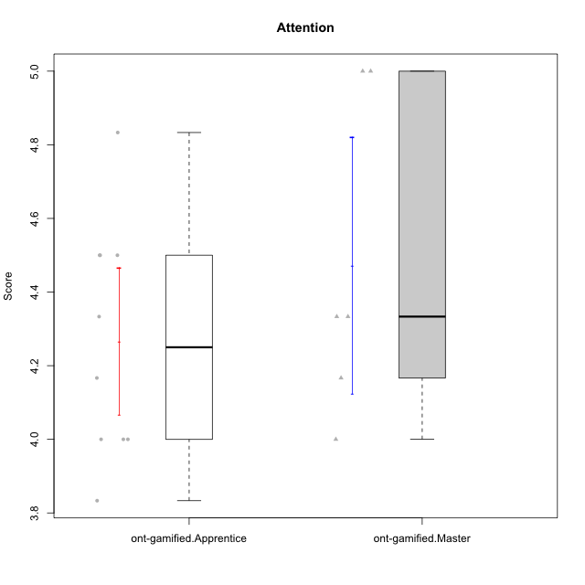

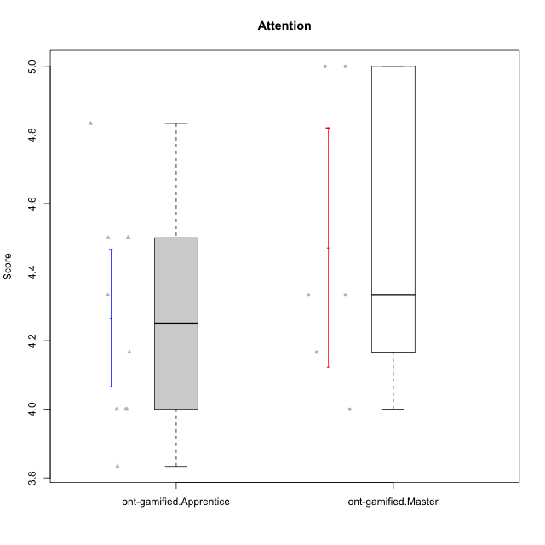

Student's t-Test data
UserID | NroUSP | Type | CLGroup | CLRole | PlayerRole | Item01A | Item04A | Item05A | Item12A | Item19A | Item20A | Item09S | Item11S | Item14S | Item24S | Item25S | Attention | Satisfaction | Level of Motivation
10171 | 698531 | ont-gamified | Grupo Losvakai | Master | Yee Achiever | 5 | 5 | 6 | 5 | 5 | 4 | 4 | 5 | 6 | 6 | 7 | 5 | 5.6 | 5.2727272727
10179 | 10310759 | ont-gamified | Grupo Tosskor | Apprentice | Yee Achiever | 4 | 4 | 4 | 4 | 4 | 4 | 2 | 4 | 3 | 6 | 6 | 4 | 4.2 | 4.0909090909
10185 | 10276960 | ont-gamified | Grupo Tosskor | Master | Yee Achiever | 4 | 5 | 5 | 4 | 5 | 3 | 3 | 4 | 4 | 4 | 4 | 4.3333333333 | 3.8 | 4.0909090909
10187 | 9790781 | ont-gamified | Grupo Razorg | Apprentice | Yee Achiever | 6 | 4 | 4 | 4 | 4 | 5 | 5 | 4 | 5 | 5 | 5 | 4.5 | 4.8 | 4.6363636364
10188 | 10276995 | ont-gamified | Grupo Paldira | Master | Yee Achiever | 4 | 5 | 4 | 5 | 3 | 4 | 4 | 4 | 4 | 5 | 4 | 4.1666666667 | 4.2 | 4.1818181818
10202 | 10277036 | ont-gamified | Grupo Paldira | Apprentice | Yee Achiever | 5 | 4 | 4 | 4 | 3 | 4 | 4 | 5 | 4 | 5 | 5 | 4 | 4.6 | 4.2727272727
10208 | 10276932 | ont-gamified | Grupo Yeka | Master | Yee Socializer | 4 | 3 | 5 | 3 | 5 | 4 | 4 | 5 | 4 | 5 | 4 | 4 | 4.4 | 4.1818181818
10210 | 10277015 | ont-gamified | Grupo Losvakai | Apprentice | Yee Achiever | 4 | 4 | 6 | 4 | 2 | 3 | 2 | 4 | 6 | 3 | 3 | 3.8333333333 | 3.6 | 3.7272727273
10214 | 10277022 | ont-gamified | Grupo Koil | Apprentice | Yee Achiever | 4 | 5 | 5 | 4 | 5 | 4 | 3 | 4 | 4 | 5 | 5 | 4.5 | 4.2 | 4.3636363636
10216 | 10276720 | ont-gamified | Grupo Ellaru | Master | Yee Socializer | 2 | 5 | 7 | 3 | 7 | 2 | 4 | 7 | 6 | 7 | 7 | 4.3333333333 | 6.2 | 5.1818181818
10217 | 9805341 | ont-gamified | Grupo Belos | Master | Yee Socializer | 5 | 6 | 6 | 4 | 4 | 5 | 4 | 6 | 6 | 6 | 6 | 5 | 5.6 | 5.2727272727
10226 | 10310342 | ont-gamified | Grupo Yeka | Apprentice | Yee Socializer | 6 | 4 | 3 | 6 | 5 | 5 | 4 | 6 | 5 | 6 | 6 | 4.8333333333 | 5.4 | 5.0909090909
10228 | 10310492 | ont-gamified | Grupo Losvakai | Apprentice | Yee Achiever | 4 | 4 | 4 | 5 | 4 | 4 | 4 | 4 | 4 | 5 | 4 | 4.1666666667 | 4.2 | 4.1818181818
10233 | 9805320 | ont-gamified | Grupo Tosskor | Apprentice | Yee Achiever | 2 | 3 | 5 | 4 | 6 | 7 | 1 | 4 | 2 | 6 | 4 | 4.5 | 3.4 | 4
10237 | 10377688 | ont-gamified | Grupo Ellaru | Apprentice | Yee Socializer | 4 | 3 | 6 | 4 | 4 | 3 | 4 | 5 | 5 | 5 | 5 | 4 | 4.8 | 4.3636363636
10238 | 10276953 | ont-gamified | Grupo Belos | Apprentice | Yee Socializer | 4 | 4 | 4 | 5 | 5 | 4 | 5 | 5 | 5 | 5 | 6 | 4.3333333333 | 5.2 | 4.7272727273

