Assumptions
ANOVA assumptions for Attention

Shapiro-Wilk normality test for Attention
W | p.value
0.95156332341 | 0.15961751455

Plots for normality test
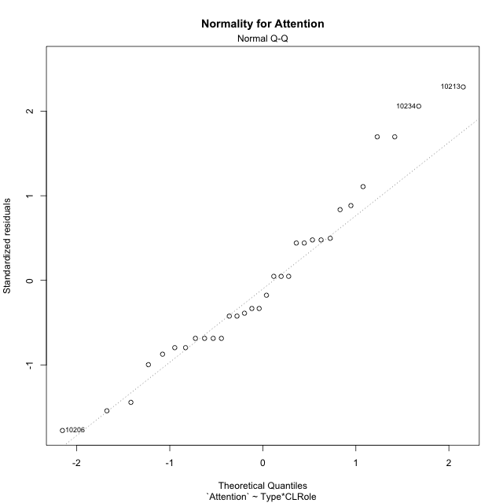

Levene's Test for Homogeneity of Variance in Attention
Df | F value | Pr(>F)
3 | 1.812673161 | 0.16775437745
28

Plots for homogeneity of variance
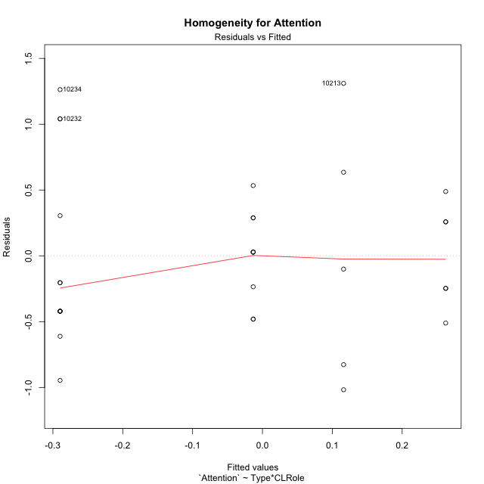

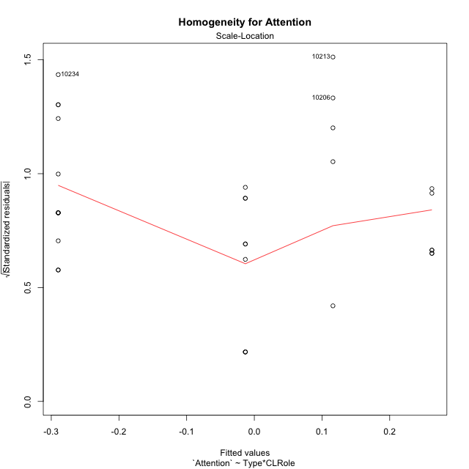

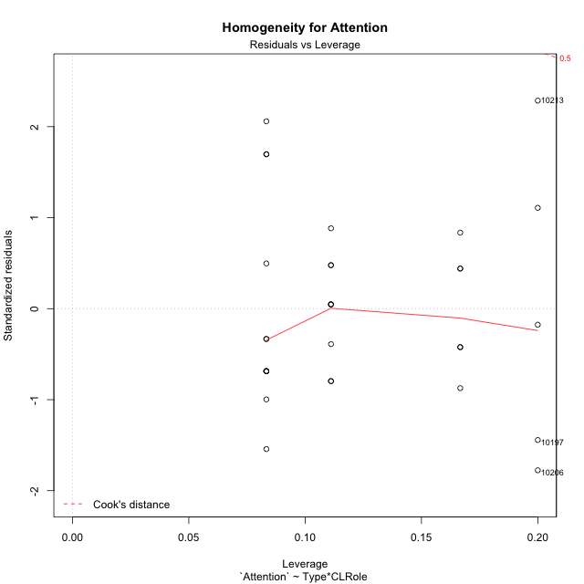

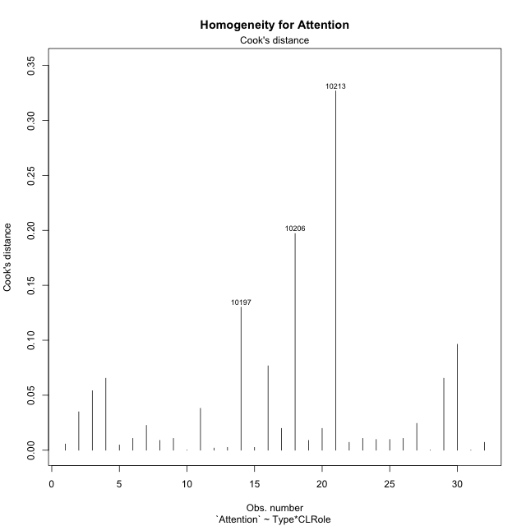

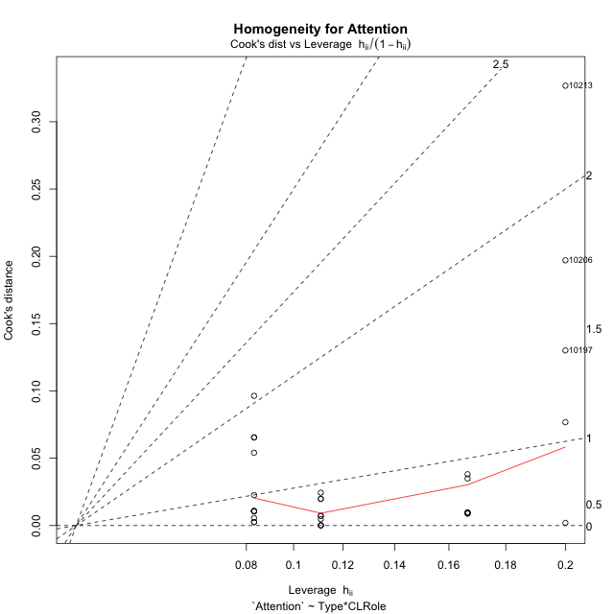

Minimum Sample Size Test for Attention
Type | CLRole | Freq
non-gamified | Apprentice | 12
ont-gamified | Apprentice | 9
non-gamified | Master | 5
ont-gamified | Master | 6

Errors and Warnings in Sample Size Test for ANOVA in Attention
code | description
WARN: sample.size | current.size is = 12 and recommended.size must be = 15 for the group: 'non-gamified:Apprentice'. Size sample for parametric test isn't recomended
WARN: sample.size | current.size is = 9 and recommended.size must be = 15 for the group: 'ont-gamified:Apprentice'. Size sample for parametric test isn't recomended
WARN: sample.size | current.size is = 5 and recommended.size must be = 15 for the group: 'non-gamified:Master'. Size sample for parametric test isn't recomended
WARN: sample.size | current.size is = 6 and recommended.size must be = 15 for the group: 'ont-gamified:Master'. Size sample for parametric test isn't recomended

For the group: 'non-gamified:Apprentice', we recommend the use of non parametric test. For the group: 'ont-gamified:Apprentice', we recommend the use of non parametric test. For the group: 'non-gamified:Master', we recommend the use of non parametric test. For the group: 'ont-gamified:Master', we recommend the use of non parametric test.

If you don't want to remove non-normal data, you must cite the following references: ... (1) Lix, L.M., J.C. Keselman, and H.J. Keselman. 1996. Consequences of assumption violations revisited: A quantitative review of alternatives to the one-way analysis of variance F test. Rev. Educ. Res. 66: 579-619. ... (2) Harwell, M.R., E.N. Rubinstein, W.S. Hayes, and C.C. Olds. 1992. Summarizing Monte Carlo results in methodological research: the one- and two-factor fixed effects ANOVA cases. J. Educ. Stat. 17: 315-339.

Post-hoc
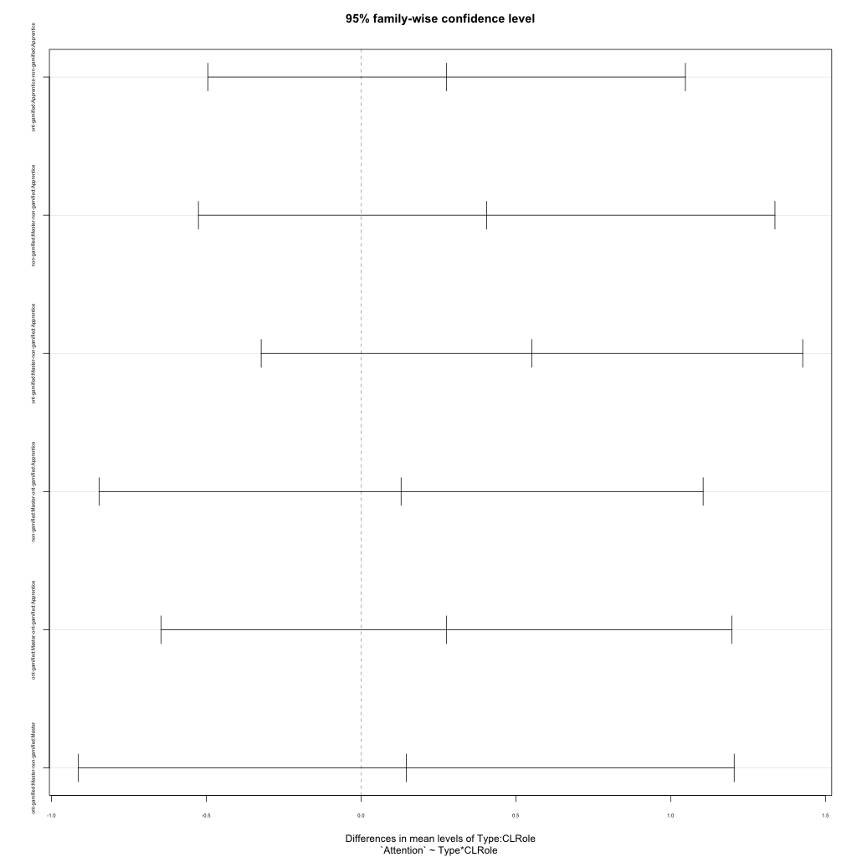
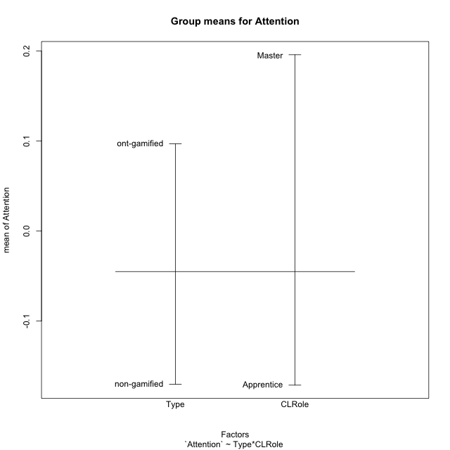
Post-hoc Tukey Honestly Significant Difference (HSD) Test for Attention

Comparisons of means for Type
 | diff | lwr | upr | p adj
ont-gamified-non-gamified | 0.26733485029 | -0.19747808229 | 0.73214778288 | 0.24866054488

Comparisons of means for CLRole
 | diff | lwr | upr | p adj
Master-Apprentice | 0.3358867279 | -0.15247576648 | 0.82424922227 | 0.16988653057

Comparisons of means for Type:CLRole
 | diff | lwr | upr | p adj
ont-gamified:Apprentice-non-gamified:Apprentice | 0.27647248172 | -0.49472748636 | 1.0476724498 | 0.76249727441
non-gamified:Master-non-gamified:Apprentice | 0.4058824476 | -0.52504978761 | 1.3368146828 | 0.63779631648
ont-gamified:Master-non-gamified:Apprentice | 0.55207137932 | -0.32238718924 | 1.4265299479 | 0.33079484861
non-gamified:Master-ont-gamified:Apprentice | 0.12940996588 | -0.84608940635 | 1.1049093381 | 0.98340184466
ont-gamified:Master-ont-gamified:Apprentice | 0.2755988976 | -0.64616136776 | 1.197359163 | 0.84623589009
ont-gamified:Master-non-gamified:Master | 0.14618893173 | -0.91283298617 | 1.2052108496 | 0.98138167871

Contrast Matrices for Attention - Type
contrast | estimate | SE | df | t.ratio | p.value
non-gamified - ont-gamified | -0.21133070672 | 0.23991171838 | 28 | -0.88086863014 | 0.38588771872

Contrast Matrices for Attention - Type:CLRole
contrast | CLRole | estimate | SE | df | t.ratio | p.value
non-gamified - ont-gamified | Apprentice | -0.27647248172 | 0.28245859359 | 28 | -0.97880711721 | 0.33605718342
non-gamified - ont-gamified | Master | -0.14618893173 | 0.38787584788 | 28 | -0.37689619636 | 0.70909211005

Least Squares Means and Confidence Intervals for Type
Type | lsmean | SE | df | lower.CL | upper.CL | Pairs
non-gamified | -0.086794540246 | 0.17048095226 | 28 | -0.43600894039 | 0.2624198599 | non-gamified
ont-gamified | 0.12453616648 | 0.168801296 | 28 | -0.2212376138 | 0.47030994676 | ont-gamified

Least Squares Means and Confidence Intervals for Type:CLRole
Type | CLRole | lsmean | SE | df | lower.CL | upper.CL | Pairs
non-gamified | Apprentice | -0.28973576404 | 0.18491255512 | 28 | -0.66851196255 | 0.089040434461 | non-gamified.Apprentice
ont-gamified | Apprentice | -0.013263282323 | 0.21351862694 | 28 | -0.45063636266 | 0.42410979802 | ont-gamified.Apprentice
non-gamified | Master | 0.11614668355 | 0.28646529859 | 28 | -0.47065087995 | 0.70294424705 | non-gamified.Master
ont-gamified | Master | 0.26233561528 | 0.2615058433 | 28 | -0.27333482175 | 0.79800605231 | ont-gamified.Master

Plots

Type_1
Student's t-Test for Attention in Type between non-gamified:ont-gamified

Student's t-Test results
Alternative hypothesis: less
Group | N | Mean | Mean.Difference | Std.deviation | Std.error | CI.lower | CI.upper | df | t.value | p.value | g | magnitude
non-gamified | 17 | -0.17035857358 | -0.26733485029 | 0.80406356165 | 0.19501405849 | -0.56038669056 | 0.21966954341 | 23.341788794 | -1.2259580882 | 0.1162198821 | -0.40626200835 | small
ont-gamified | 15 | 0.096976276717 | 0.26733485029 | 0.37789968679 | 0.097573279566 | -0.098170282414 | 0.29212283585 | 23.341788794 | -1.2259580882 | 0.1162198821 | -0.40626200835 | small
Alternative hypothesis: greater
Group | N | Mean | Mean.Difference | Std.deviation | Std.error | CI.lower | CI.upper | df | t.value | p.value | g | magnitude
non-gamified | 17 | -0.17035857358 | -0.26733485029 | 0.80406356165 | 0.19501405849 | -0.56038669056 | 0.21966954341 | 23.341788794 | -1.2259580882 | 0.8837801179 | -0.40626200835 | small
ont-gamified | 15 | 0.096976276717 | 0.26733485029 | 0.37789968679 | 0.097573279566 | -0.098170282414 | 0.29212283585 | 23.341788794 | -1.2259580882 | 0.8837801179 | -0.40626200835 | small
Alternative hypothesis: two.sided
Group | N | Mean | Mean.Difference | Std.deviation | Std.error | CI.lower | CI.upper | df | t.value | p.value | g | magnitude
non-gamified | 17 | -0.17035857358 | -0.26733485029 | 0.80406356165 | 0.19501405849 | -0.56038669056 | 0.21966954341 | 23.341788794 | -1.2259580882 | 0.2324397642 | -0.40626200835 | small
ont-gamified | 15 | 0.096976276717 | 0.26733485029 | 0.37789968679 | 0.097573279566 | -0.098170282414 | 0.29212283585 | 23.341788794 | -1.2259580882 | 0.2324397642 | -0.40626200835 | small

Box plots for Student's t-Test
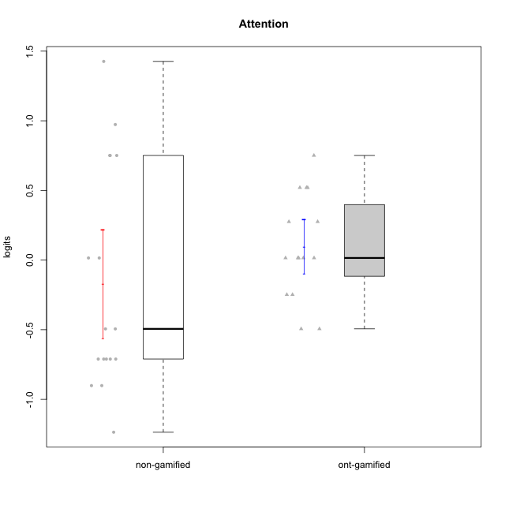

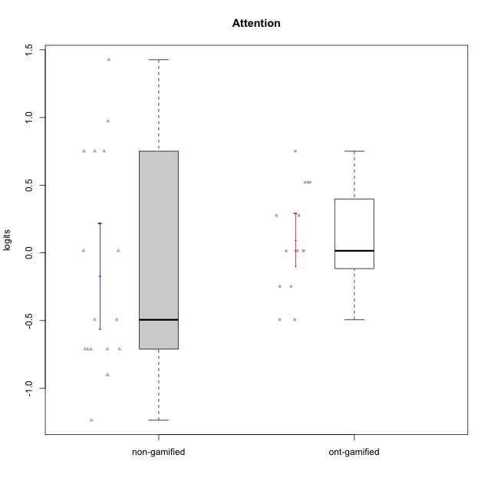

Student's t-Test data
UserID | NroUSP | Type | CLGroup | CLRole | PlayerRole | Attention | error | WLE.rel
10170 | 10260351 | non-gamified | Grupo Team 6 | Apprentice |  | 0.015219938417 | 0.4959323733 | 0.49120665015
10171 | 698531 | ont-gamified | Grupo Losvakai | Master | Yee Achiever | 0.75098899778 | 0.48604705624 | 0.49120665015
10174 | 10276852 | non-gamified | Grupo Team 1 | Apprentice |  | -1.2358565924 | 0.41918087086 | 0.49120665015
10178 | 8656201 | non-gamified | Grupo Team 11 | Apprentice |  | 0.75098899778 | 0.48604705624 | 0.49120665015
10179 | 10310759 | ont-gamified | Grupo Tosskor | Apprentice | Yee Achiever | -0.24821267164 | 0.48742891024 | 0.49120665015
10181 | 10276866 | non-gamified | Grupo Team 7 | Apprentice |  | -0.71056758569 | 0.45086038809 | 0.49120665015
10183 | 10352030 | non-gamified | Grupo Belos | Apprentice | Yee Socializer | -0.90116462417 | 0.43477036865 | 0.49120665015
10185 | 10276960 | ont-gamified | Grupo Tosskor | Master | Yee Achiever | 0.015219938417 | 0.4959323733 | 0.49120665015
10186 | 10310551 | non-gamified | Grupo Team 5 | Apprentice |  | -0.71056758569 | 0.45086038809 | 0.49120665015
10187 | 9790781 | ont-gamified | Grupo Razorg | Apprentice | Yee Achiever | 0.015219938417 | 0.4959323733 | 0.49120665015
10188 | 10276995 | ont-gamified | Grupo Paldira | Master | Yee Achiever | -0.24821267164 | 0.48742891024 | 0.49120665015
10193 | 10276762 | non-gamified | Grupo Team 2 | Master |  | 0.015219938417 | 0.4959323733 | 0.49120665015
10196 | 10310655 | non-gamified | Grupo Team 5 | Apprentice |  | -0.49394158914 | 0.47017278191 | 0.49120665015
10197 | 10276661 | non-gamified | Grupo Team 11 | Master |  | -0.71056758569 | 0.45086038809 | 0.49120665015
10200 | 9795272 | non-gamified | Grupo Team 4 | Apprentice |  | -0.49394158914 | 0.47017278191 | 0.49120665015
10201 | 10276928 | non-gamified | Grupo Team 10 | Master |  | 0.75098899778 | 0.48604705624 | 0.49120665015
10202 | 10277036 | ont-gamified | Grupo Paldira | Apprentice | Yee Achiever | -0.49394158914 | 0.47017278191 | 0.49120665015
10206 | 10310721 | non-gamified | Grupo Team 9 | Master |  | -0.90116462417 | 0.43477036865 | 0.49120665015
10208 | 10276932 | ont-gamified | Grupo Yeka | Master | Yee Socializer | 0.015219938417 | 0.4959323733 | 0.49120665015
10210 | 10277015 | ont-gamified | Grupo Losvakai | Apprentice | Yee Achiever | -0.49394158914 | 0.47017278191 | 0.49120665015
10213 | 10277040 | non-gamified | Grupo Team 8 | Master |  | 1.4262566914 | 0.51745414293 | 0.49120665015
10214 | 10277022 | ont-gamified | Grupo Koil | Apprentice | Yee Achiever | 0.27533387471 | 0.49485604731 | 0.49120665015
10215 | 9285227 | non-gamified | Grupo Team 7 | Apprentice |  | -0.71056758569 | 0.45086038809 | 0.49120665015
10216 | 10276720 | ont-gamified | Grupo Ellaru | Master | Yee Socializer | 0.52039874435 | 0.48969913406 | 0.49120665015
10217 | 9805341 | ont-gamified | Grupo Belos | Master | Yee Socializer | 0.52039874435 | 0.48969913406 | 0.49120665015
10221 | 9082496 | non-gamified | Grupo Team 3 | Apprentice |  | -0.71056758569 | 0.45086038809 | 0.49120665015
10226 | 10310342 | ont-gamified | Grupo Yeka | Apprentice | Yee Socializer | 0.52039874435 | 0.48969913406 | 0.49120665015
10228 | 10310492 | ont-gamified | Grupo Losvakai | Apprentice | Yee Achiever | 0.015219938417 | 0.4959323733 | 0.49120665015
10232 | 10276974 | non-gamified | Grupo Team 3 | Apprentice |  | 0.75098899778 | 0.48604705624 | 0.49120665015
10234 | 10310676 | non-gamified | Grupo Team 6 | Apprentice |  | 0.97314763513 | 0.48751923471 | 0.49120665015
10237 | 10377688 | ont-gamified | Grupo Ellaru | Apprentice | Yee Socializer | 0.015219938417 | 0.4959323733 | 0.49120665015
10238 | 10276953 | ont-gamified | Grupo Belos | Apprentice | Yee Socializer | 0.27533387471 | 0.49485604731 | 0.49120665015

Type_CLRole_1
Student's t-Test for Attention in Type:CLRole between non-gamified.Apprentice:non-gamified.Master

Student's t-Test results
Alternative hypothesis: less
Group | N | Mean | Mean.Difference | Std.deviation | Std.error | CI.lower | CI.upper | df | t.value | p.value | g | magnitude
non-gamified.Apprentice | 12 | -0.28973576404 | -0.4058824476 | 0.73329121832 | 0.21168294114 | -0.71310164633 | 0.13363011824 | 5.9625594021 | -0.83336467197 | 0.21837123697 | -0.47752214411 | small
non-gamified.Master | 5 | 0.11614668355 | 0.4058824476 | 0.98081318103 | 0.4386329892 | -0.76111929485 | 0.99341266196 | 5.9625594021 | -0.83336467197 | 0.21837123697 | -0.47752214411 | small
Alternative hypothesis: greater
Group | N | Mean | Mean.Difference | Std.deviation | Std.error | CI.lower | CI.upper | df | t.value | p.value | g | magnitude
non-gamified.Apprentice | 12 | -0.28973576404 | -0.4058824476 | 0.73329121832 | 0.21168294114 | -0.71310164633 | 0.13363011824 | 5.9625594021 | -0.83336467197 | 0.78162876303 | -0.47752214411 | small
non-gamified.Master | 5 | 0.11614668355 | 0.4058824476 | 0.98081318103 | 0.4386329892 | -0.76111929485 | 0.99341266196 | 5.9625594021 | -0.83336467197 | 0.78162876303 | -0.47752214411 | small
Alternative hypothesis: two.sided
Group | N | Mean | Mean.Difference | Std.deviation | Std.error | CI.lower | CI.upper | df | t.value | p.value | g | magnitude
non-gamified.Apprentice | 12 | -0.28973576404 | -0.4058824476 | 0.73329121832 | 0.21168294114 | -0.71310164633 | 0.13363011824 | 5.9625594021 | -0.83336467197 | 0.43674247394 | -0.47752214411 | small
non-gamified.Master | 5 | 0.11614668355 | 0.4058824476 | 0.98081318103 | 0.4386329892 | -0.76111929485 | 0.99341266196 | 5.9625594021 | -0.83336467197 | 0.43674247394 | -0.47752214411 | small

Box plots for Student's t-Test
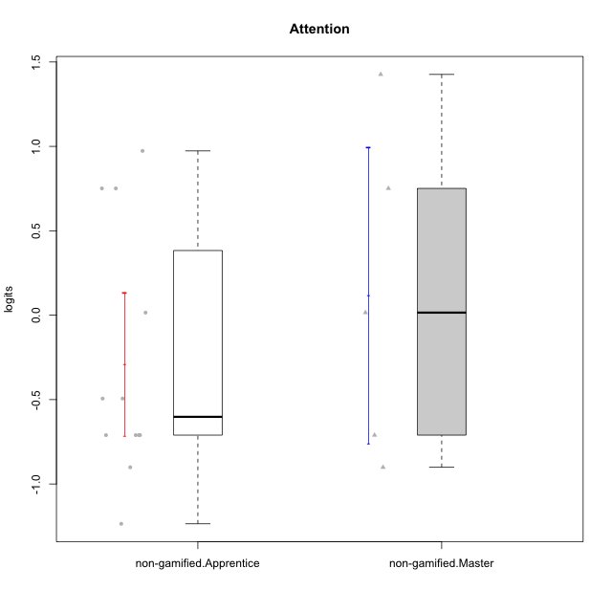

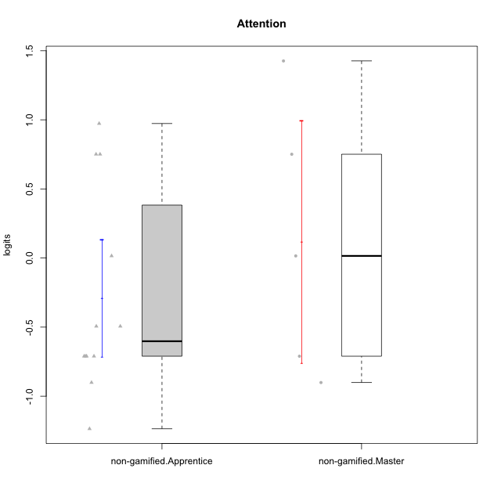

Student's t-Test data
UserID | NroUSP | Type | CLGroup | CLRole | PlayerRole | Attention | error | WLE.rel
10170 | 10260351 | non-gamified | Grupo Team 6 | Apprentice |  | 0.015219938417 | 0.4959323733 | 0.49120665015
10174 | 10276852 | non-gamified | Grupo Team 1 | Apprentice |  | -1.2358565924 | 0.41918087086 | 0.49120665015
10178 | 8656201 | non-gamified | Grupo Team 11 | Apprentice |  | 0.75098899778 | 0.48604705624 | 0.49120665015
10181 | 10276866 | non-gamified | Grupo Team 7 | Apprentice |  | -0.71056758569 | 0.45086038809 | 0.49120665015
10183 | 10352030 | non-gamified | Grupo Belos | Apprentice | Yee Socializer | -0.90116462417 | 0.43477036865 | 0.49120665015
10186 | 10310551 | non-gamified | Grupo Team 5 | Apprentice |  | -0.71056758569 | 0.45086038809 | 0.49120665015
10193 | 10276762 | non-gamified | Grupo Team 2 | Master |  | 0.015219938417 | 0.4959323733 | 0.49120665015
10196 | 10310655 | non-gamified | Grupo Team 5 | Apprentice |  | -0.49394158914 | 0.47017278191 | 0.49120665015
10197 | 10276661 | non-gamified | Grupo Team 11 | Master |  | -0.71056758569 | 0.45086038809 | 0.49120665015
10200 | 9795272 | non-gamified | Grupo Team 4 | Apprentice |  | -0.49394158914 | 0.47017278191 | 0.49120665015
10201 | 10276928 | non-gamified | Grupo Team 10 | Master |  | 0.75098899778 | 0.48604705624 | 0.49120665015
10206 | 10310721 | non-gamified | Grupo Team 9 | Master |  | -0.90116462417 | 0.43477036865 | 0.49120665015
10213 | 10277040 | non-gamified | Grupo Team 8 | Master |  | 1.4262566914 | 0.51745414293 | 0.49120665015
10215 | 9285227 | non-gamified | Grupo Team 7 | Apprentice |  | -0.71056758569 | 0.45086038809 | 0.49120665015
10221 | 9082496 | non-gamified | Grupo Team 3 | Apprentice |  | -0.71056758569 | 0.45086038809 | 0.49120665015
10232 | 10276974 | non-gamified | Grupo Team 3 | Apprentice |  | 0.75098899778 | 0.48604705624 | 0.49120665015
10234 | 10310676 | non-gamified | Grupo Team 6 | Apprentice |  | 0.97314763513 | 0.48751923471 | 0.49120665015

Type_CLRole_2
Student's t-Test for Attention in Type:CLRole between non-gamified.Apprentice:ont-gamified.Apprentice

Student's t-Test results
Alternative hypothesis: less
Group | N | Mean | Mean.Difference | Std.deviation | Std.error | CI.lower | CI.upper | df | t.value | p.value | g | magnitude
non-gamified.Apprentice | 12 | -0.28973576404 | -0.27647248172 | 0.73329121832 | 0.21168294114 | -0.71310164633 | 0.13363011824 | 16.556090378 | -1.1450584549 | 0.1342343672 | -0.4408764163 | small
ont-gamified.Apprentice | 9 | -0.013263282323 | 0.27647248172 | 0.34840891263 | 0.11613630421 | -0.24553589075 | 0.2190093261 | 16.556090378 | -1.1450584549 | 0.1342343672 | -0.4408764163 | small
Alternative hypothesis: greater
Group | N | Mean | Mean.Difference | Std.deviation | Std.error | CI.lower | CI.upper | df | t.value | p.value | g | magnitude
non-gamified.Apprentice | 12 | -0.28973576404 | -0.27647248172 | 0.73329121832 | 0.21168294114 | -0.71310164633 | 0.13363011824 | 16.556090378 | -1.1450584549 | 0.8657656328 | -0.4408764163 | small
ont-gamified.Apprentice | 9 | -0.013263282323 | 0.27647248172 | 0.34840891263 | 0.11613630421 | -0.24553589075 | 0.2190093261 | 16.556090378 | -1.1450584549 | 0.8657656328 | -0.4408764163 | small
Alternative hypothesis: two.sided
Group | N | Mean | Mean.Difference | Std.deviation | Std.error | CI.lower | CI.upper | df | t.value | p.value | g | magnitude
non-gamified.Apprentice | 12 | -0.28973576404 | -0.27647248172 | 0.73329121832 | 0.21168294114 | -0.71310164633 | 0.13363011824 | 16.556090378 | -1.1450584549 | 0.26846873441 | -0.4408764163 | small
ont-gamified.Apprentice | 9 | -0.013263282323 | 0.27647248172 | 0.34840891263 | 0.11613630421 | -0.24553589075 | 0.2190093261 | 16.556090378 | -1.1450584549 | 0.26846873441 | -0.4408764163 | small

Box plots for Student's t-Test
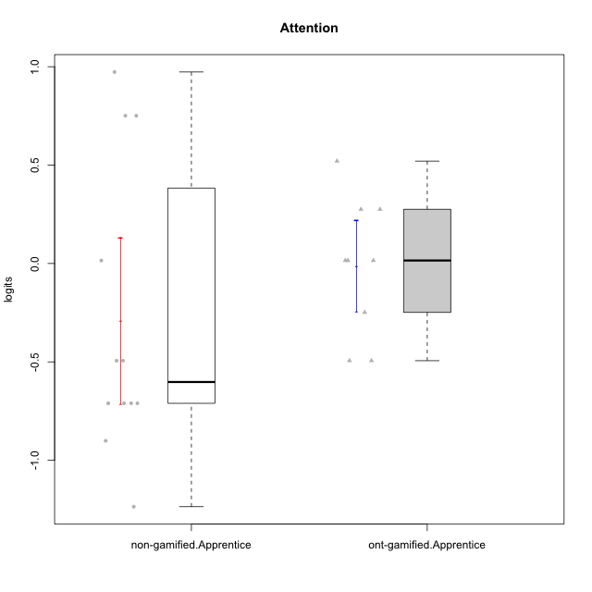

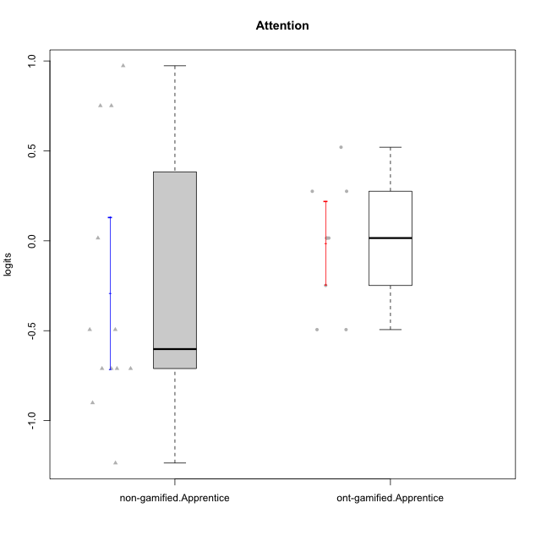

Student's t-Test data
UserID | NroUSP | Type | CLGroup | CLRole | PlayerRole | Attention | error | WLE.rel
10170 | 10260351 | non-gamified | Grupo Team 6 | Apprentice |  | 0.015219938417 | 0.4959323733 | 0.49120665015
10174 | 10276852 | non-gamified | Grupo Team 1 | Apprentice |  | -1.2358565924 | 0.41918087086 | 0.49120665015
10178 | 8656201 | non-gamified | Grupo Team 11 | Apprentice |  | 0.75098899778 | 0.48604705624 | 0.49120665015
10179 | 10310759 | ont-gamified | Grupo Tosskor | Apprentice | Yee Achiever | -0.24821267164 | 0.48742891024 | 0.49120665015
10181 | 10276866 | non-gamified | Grupo Team 7 | Apprentice |  | -0.71056758569 | 0.45086038809 | 0.49120665015
10183 | 10352030 | non-gamified | Grupo Belos | Apprentice | Yee Socializer | -0.90116462417 | 0.43477036865 | 0.49120665015
10186 | 10310551 | non-gamified | Grupo Team 5 | Apprentice |  | -0.71056758569 | 0.45086038809 | 0.49120665015
10187 | 9790781 | ont-gamified | Grupo Razorg | Apprentice | Yee Achiever | 0.015219938417 | 0.4959323733 | 0.49120665015
10196 | 10310655 | non-gamified | Grupo Team 5 | Apprentice |  | -0.49394158914 | 0.47017278191 | 0.49120665015
10200 | 9795272 | non-gamified | Grupo Team 4 | Apprentice |  | -0.49394158914 | 0.47017278191 | 0.49120665015
10202 | 10277036 | ont-gamified | Grupo Paldira | Apprentice | Yee Achiever | -0.49394158914 | 0.47017278191 | 0.49120665015
10210 | 10277015 | ont-gamified | Grupo Losvakai | Apprentice | Yee Achiever | -0.49394158914 | 0.47017278191 | 0.49120665015
10214 | 10277022 | ont-gamified | Grupo Koil | Apprentice | Yee Achiever | 0.27533387471 | 0.49485604731 | 0.49120665015
10215 | 9285227 | non-gamified | Grupo Team 7 | Apprentice |  | -0.71056758569 | 0.45086038809 | 0.49120665015
10221 | 9082496 | non-gamified | Grupo Team 3 | Apprentice |  | -0.71056758569 | 0.45086038809 | 0.49120665015
10226 | 10310342 | ont-gamified | Grupo Yeka | Apprentice | Yee Socializer | 0.52039874435 | 0.48969913406 | 0.49120665015
10228 | 10310492 | ont-gamified | Grupo Losvakai | Apprentice | Yee Achiever | 0.015219938417 | 0.4959323733 | 0.49120665015
10232 | 10276974 | non-gamified | Grupo Team 3 | Apprentice |  | 0.75098899778 | 0.48604705624 | 0.49120665015
10234 | 10310676 | non-gamified | Grupo Team 6 | Apprentice |  | 0.97314763513 | 0.48751923471 | 0.49120665015
10237 | 10377688 | ont-gamified | Grupo Ellaru | Apprentice | Yee Socializer | 0.015219938417 | 0.4959323733 | 0.49120665015
10238 | 10276953 | ont-gamified | Grupo Belos | Apprentice | Yee Socializer | 0.27533387471 | 0.49485604731 | 0.49120665015

Type_CLRole_3
Student's t-Test for Attention in Type:CLRole between non-gamified.Apprentice:ont-gamified.Master

Student's t-Test results
Alternative hypothesis: less
Group | N | Mean | Mean.Difference | Std.deviation | Std.error | CI.lower | CI.upper | df | t.value | p.value | g | magnitude
non-gamified.Apprentice | 12 | -0.28973576404 | -0.55207137932 | 0.73329121832 | 0.21168294114 | -0.71310164633 | 0.13363011824 | 15.836653572 | -2.0871022461 | 0.026704022508 | -0.81435660284 | large
ont-gamified.Master | 6 | 0.26233561528 | 0.55207137932 | 0.3885272588 | 0.15861558921 | -0.054895563133 | 0.57956679369 | 15.836653572 | -2.0871022461 | 0.026704022508 | -0.81435660284 | large
Alternative hypothesis: greater
Group | N | Mean | Mean.Difference | Std.deviation | Std.error | CI.lower | CI.upper | df | t.value | p.value | g | magnitude
non-gamified.Apprentice | 12 | -0.28973576404 | -0.55207137932 | 0.73329121832 | 0.21168294114 | -0.71310164633 | 0.13363011824 | 15.836653572 | -2.0871022461 | 0.97329597749 | -0.81435660284 | large
ont-gamified.Master | 6 | 0.26233561528 | 0.55207137932 | 0.3885272588 | 0.15861558921 | -0.054895563133 | 0.57956679369 | 15.836653572 | -2.0871022461 | 0.97329597749 | -0.81435660284 | large
Alternative hypothesis: two.sided
Group | N | Mean | Mean.Difference | Std.deviation | Std.error | CI.lower | CI.upper | df | t.value | p.value | g | magnitude
non-gamified.Apprentice | 12 | -0.28973576404 | -0.55207137932 | 0.73329121832 | 0.21168294114 | -0.71310164633 | 0.13363011824 | 15.836653572 | -2.0871022461 | 0.053408045016 | -0.81435660284 | large
ont-gamified.Master | 6 | 0.26233561528 | 0.55207137932 | 0.3885272588 | 0.15861558921 | -0.054895563133 | 0.57956679369 | 15.836653572 | -2.0871022461 | 0.053408045016 | -0.81435660284 | large

Box plots for Student's t-Test
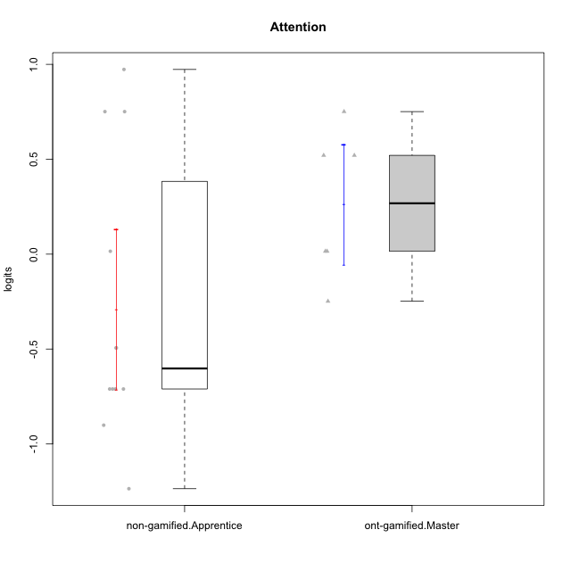

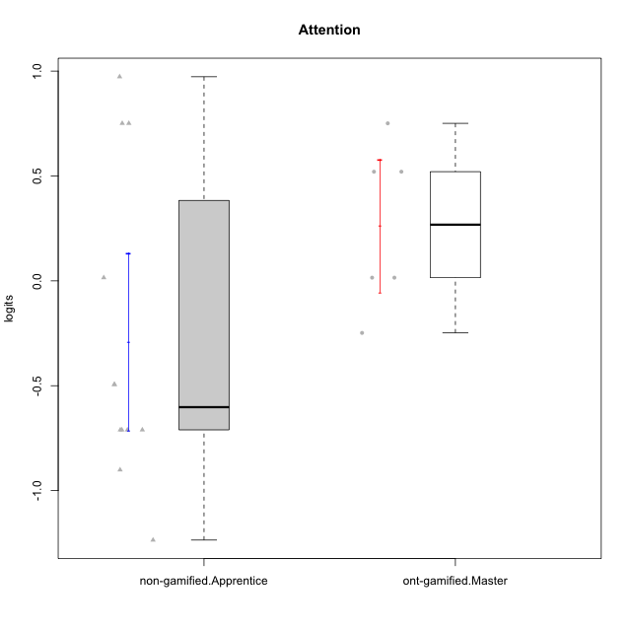

Student's t-Test data
UserID | NroUSP | Type | CLGroup | CLRole | PlayerRole | Attention | error | WLE.rel
10170 | 10260351 | non-gamified | Grupo Team 6 | Apprentice |  | 0.015219938417 | 0.4959323733 | 0.49120665015
10171 | 698531 | ont-gamified | Grupo Losvakai | Master | Yee Achiever | 0.75098899778 | 0.48604705624 | 0.49120665015
10174 | 10276852 | non-gamified | Grupo Team 1 | Apprentice |  | -1.2358565924 | 0.41918087086 | 0.49120665015
10178 | 8656201 | non-gamified | Grupo Team 11 | Apprentice |  | 0.75098899778 | 0.48604705624 | 0.49120665015
10181 | 10276866 | non-gamified | Grupo Team 7 | Apprentice |  | -0.71056758569 | 0.45086038809 | 0.49120665015
10183 | 10352030 | non-gamified | Grupo Belos | Apprentice | Yee Socializer | -0.90116462417 | 0.43477036865 | 0.49120665015
10185 | 10276960 | ont-gamified | Grupo Tosskor | Master | Yee Achiever | 0.015219938417 | 0.4959323733 | 0.49120665015
10186 | 10310551 | non-gamified | Grupo Team 5 | Apprentice |  | -0.71056758569 | 0.45086038809 | 0.49120665015
10188 | 10276995 | ont-gamified | Grupo Paldira | Master | Yee Achiever | -0.24821267164 | 0.48742891024 | 0.49120665015
10196 | 10310655 | non-gamified | Grupo Team 5 | Apprentice |  | -0.49394158914 | 0.47017278191 | 0.49120665015
10200 | 9795272 | non-gamified | Grupo Team 4 | Apprentice |  | -0.49394158914 | 0.47017278191 | 0.49120665015
10208 | 10276932 | ont-gamified | Grupo Yeka | Master | Yee Socializer | 0.015219938417 | 0.4959323733 | 0.49120665015
10215 | 9285227 | non-gamified | Grupo Team 7 | Apprentice |  | -0.71056758569 | 0.45086038809 | 0.49120665015
10216 | 10276720 | ont-gamified | Grupo Ellaru | Master | Yee Socializer | 0.52039874435 | 0.48969913406 | 0.49120665015
10217 | 9805341 | ont-gamified | Grupo Belos | Master | Yee Socializer | 0.52039874435 | 0.48969913406 | 0.49120665015
10221 | 9082496 | non-gamified | Grupo Team 3 | Apprentice |  | -0.71056758569 | 0.45086038809 | 0.49120665015
10232 | 10276974 | non-gamified | Grupo Team 3 | Apprentice |  | 0.75098899778 | 0.48604705624 | 0.49120665015
10234 | 10310676 | non-gamified | Grupo Team 6 | Apprentice |  | 0.97314763513 | 0.48751923471 | 0.49120665015

Type_CLRole_4
Student's t-Test for Attention in Type:CLRole between non-gamified.Master:ont-gamified.Apprentice

Student's t-Test results
Alternative hypothesis: less
Group | N | Mean | Mean.Difference | Std.deviation | Std.error | CI.lower | CI.upper | df | t.value | p.value | g | magnitude
non-gamified.Master | 5 | 0.11614668355 | 0.12940996588 | 0.98081318103 | 0.4386329892 | -0.76111929485 | 0.99341266196 | 4.5692498569 | 0.28520277359 | 0.60602065346 | 0.19117483726 | negligible
ont-gamified.Apprentice | 9 | -0.013263282323 | -0.12940996588 | 0.34840891263 | 0.11613630421 | -0.24553589075 | 0.2190093261 | 4.5692498569 | 0.28520277359 | 0.60602065346 | 0.19117483726 | negligible
Alternative hypothesis: greater
Group | N | Mean | Mean.Difference | Std.deviation | Std.error | CI.lower | CI.upper | df | t.value | p.value | g | magnitude
non-gamified.Master | 5 | 0.11614668355 | 0.12940996588 | 0.98081318103 | 0.4386329892 | -0.76111929485 | 0.99341266196 | 4.5692498569 | 0.28520277359 | 0.39397934654 | 0.19117483726 | negligible
ont-gamified.Apprentice | 9 | -0.013263282323 | -0.12940996588 | 0.34840891263 | 0.11613630421 | -0.24553589075 | 0.2190093261 | 4.5692498569 | 0.28520277359 | 0.39397934654 | 0.19117483726 | negligible
Alternative hypothesis: two.sided
Group | N | Mean | Mean.Difference | Std.deviation | Std.error | CI.lower | CI.upper | df | t.value | p.value | g | magnitude
non-gamified.Master | 5 | 0.11614668355 | 0.12940996588 | 0.98081318103 | 0.4386329892 | -0.76111929485 | 0.99341266196 | 4.5692498569 | 0.28520277359 | 0.78795869308 | 0.19117483726 | negligible
ont-gamified.Apprentice | 9 | -0.013263282323 | -0.12940996588 | 0.34840891263 | 0.11613630421 | -0.24553589075 | 0.2190093261 | 4.5692498569 | 0.28520277359 | 0.78795869308 | 0.19117483726 | negligible

Box plots for Student's t-Test
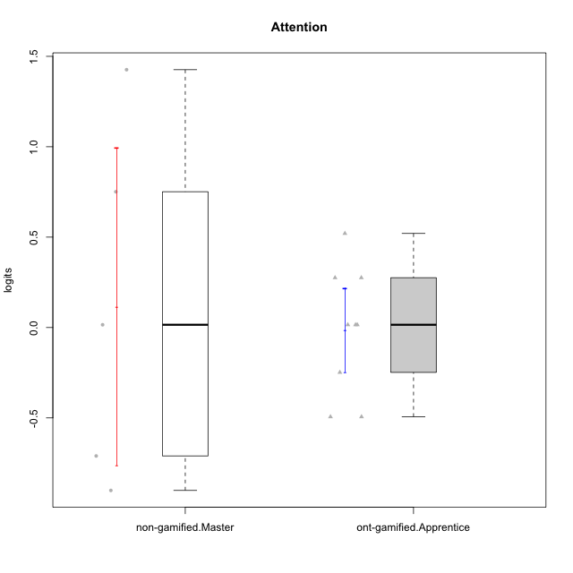

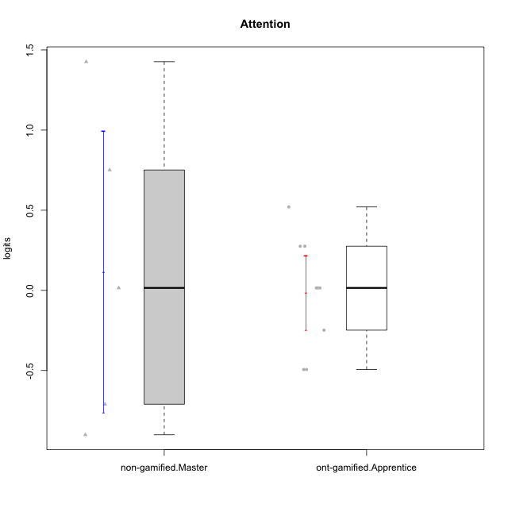

Student's t-Test data
UserID | NroUSP | Type | CLGroup | CLRole | PlayerRole | Attention | error | WLE.rel
10179 | 10310759 | ont-gamified | Grupo Tosskor | Apprentice | Yee Achiever | -0.24821267164 | 0.48742891024 | 0.49120665015
10187 | 9790781 | ont-gamified | Grupo Razorg | Apprentice | Yee Achiever | 0.015219938417 | 0.4959323733 | 0.49120665015
10193 | 10276762 | non-gamified | Grupo Team 2 | Master |  | 0.015219938417 | 0.4959323733 | 0.49120665015
10197 | 10276661 | non-gamified | Grupo Team 11 | Master |  | -0.71056758569 | 0.45086038809 | 0.49120665015
10201 | 10276928 | non-gamified | Grupo Team 10 | Master |  | 0.75098899778 | 0.48604705624 | 0.49120665015
10202 | 10277036 | ont-gamified | Grupo Paldira | Apprentice | Yee Achiever | -0.49394158914 | 0.47017278191 | 0.49120665015
10206 | 10310721 | non-gamified | Grupo Team 9 | Master |  | -0.90116462417 | 0.43477036865 | 0.49120665015
10210 | 10277015 | ont-gamified | Grupo Losvakai | Apprentice | Yee Achiever | -0.49394158914 | 0.47017278191 | 0.49120665015
10213 | 10277040 | non-gamified | Grupo Team 8 | Master |  | 1.4262566914 | 0.51745414293 | 0.49120665015
10214 | 10277022 | ont-gamified | Grupo Koil | Apprentice | Yee Achiever | 0.27533387471 | 0.49485604731 | 0.49120665015
10226 | 10310342 | ont-gamified | Grupo Yeka | Apprentice | Yee Socializer | 0.52039874435 | 0.48969913406 | 0.49120665015
10228 | 10310492 | ont-gamified | Grupo Losvakai | Apprentice | Yee Achiever | 0.015219938417 | 0.4959323733 | 0.49120665015
10237 | 10377688 | ont-gamified | Grupo Ellaru | Apprentice | Yee Socializer | 0.015219938417 | 0.4959323733 | 0.49120665015
10238 | 10276953 | ont-gamified | Grupo Belos | Apprentice | Yee Socializer | 0.27533387471 | 0.49485604731 | 0.49120665015

Type_CLRole_5
Student's t-Test for Attention in Type:CLRole between non-gamified.Master:ont-gamified.Master

Student's t-Test results
Alternative hypothesis: less
Group | N | Mean | Mean.Difference | Std.deviation | Std.error | CI.lower | CI.upper | df | t.value | p.value | g | magnitude
non-gamified.Master | 5 | 0.11614668355 | -0.14618893173 | 0.98081318103 | 0.4386329892 | -0.76111929485 | 0.99341266196 | 5.0454920019 | -0.31342032667 | 0.38325226145 | -0.18689996378 | negligible
ont-gamified.Master | 6 | 0.26233561528 | 0.14618893173 | 0.3885272588 | 0.15861558921 | -0.054895563133 | 0.57956679369 | 5.0454920019 | -0.31342032667 | 0.38325226145 | -0.18689996378 | negligible
Alternative hypothesis: greater
Group | N | Mean | Mean.Difference | Std.deviation | Std.error | CI.lower | CI.upper | df | t.value | p.value | g | magnitude
non-gamified.Master | 5 | 0.11614668355 | -0.14618893173 | 0.98081318103 | 0.4386329892 | -0.76111929485 | 0.99341266196 | 5.0454920019 | -0.31342032667 | 0.61674773855 | -0.18689996378 | negligible
ont-gamified.Master | 6 | 0.26233561528 | 0.14618893173 | 0.3885272588 | 0.15861558921 | -0.054895563133 | 0.57956679369 | 5.0454920019 | -0.31342032667 | 0.61674773855 | -0.18689996378 | negligible
Alternative hypothesis: two.sided
Group | N | Mean | Mean.Difference | Std.deviation | Std.error | CI.lower | CI.upper | df | t.value | p.value | g | magnitude
non-gamified.Master | 5 | 0.11614668355 | -0.14618893173 | 0.98081318103 | 0.4386329892 | -0.76111929485 | 0.99341266196 | 5.0454920019 | -0.31342032667 | 0.76650452291 | -0.18689996378 | negligible
ont-gamified.Master | 6 | 0.26233561528 | 0.14618893173 | 0.3885272588 | 0.15861558921 | -0.054895563133 | 0.57956679369 | 5.0454920019 | -0.31342032667 | 0.76650452291 | -0.18689996378 | negligible

Box plots for Student's t-Test
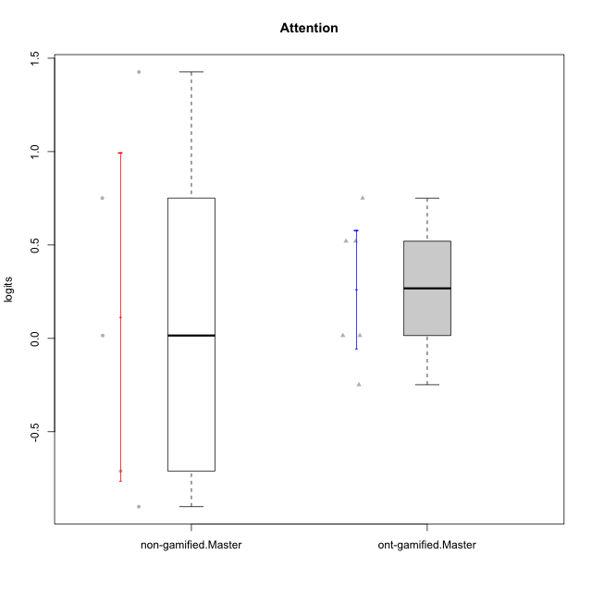

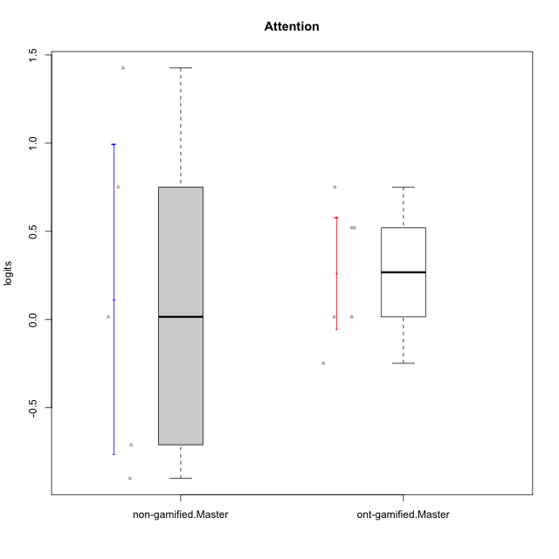

Student's t-Test data
UserID | NroUSP | Type | CLGroup | CLRole | PlayerRole | Attention | error | WLE.rel
10171 | 698531 | ont-gamified | Grupo Losvakai | Master | Yee Achiever | 0.75098899778 | 0.48604705624 | 0.49120665015
10185 | 10276960 | ont-gamified | Grupo Tosskor | Master | Yee Achiever | 0.015219938417 | 0.4959323733 | 0.49120665015
10188 | 10276995 | ont-gamified | Grupo Paldira | Master | Yee Achiever | -0.24821267164 | 0.48742891024 | 0.49120665015
10193 | 10276762 | non-gamified | Grupo Team 2 | Master |  | 0.015219938417 | 0.4959323733 | 0.49120665015
10197 | 10276661 | non-gamified | Grupo Team 11 | Master |  | -0.71056758569 | 0.45086038809 | 0.49120665015
10201 | 10276928 | non-gamified | Grupo Team 10 | Master |  | 0.75098899778 | 0.48604705624 | 0.49120665015
10206 | 10310721 | non-gamified | Grupo Team 9 | Master |  | -0.90116462417 | 0.43477036865 | 0.49120665015
10208 | 10276932 | ont-gamified | Grupo Yeka | Master | Yee Socializer | 0.015219938417 | 0.4959323733 | 0.49120665015
10213 | 10277040 | non-gamified | Grupo Team 8 | Master |  | 1.4262566914 | 0.51745414293 | 0.49120665015
10216 | 10276720 | ont-gamified | Grupo Ellaru | Master | Yee Socializer | 0.52039874435 | 0.48969913406 | 0.49120665015
10217 | 9805341 | ont-gamified | Grupo Belos | Master | Yee Socializer | 0.52039874435 | 0.48969913406 | 0.49120665015

Type_CLRole_6
Student's t-Test for Attention in Type:CLRole between ont-gamified.Apprentice:ont-gamified.Master

Student's t-Test results
Alternative hypothesis: less
Group | N | Mean | Mean.Difference | Std.deviation | Std.error | CI.lower | CI.upper | df | t.value | p.value | g | magnitude
ont-gamified.Apprentice | 9 | -0.013263282323 | -0.2755988976 | 0.34840891263 | 0.11613630421 | -0.24553589075 | 0.2190093261 | 10.001466146 | -1.40191645 | 0.095602217157 | -0.71189386946 | medium
ont-gamified.Master | 6 | 0.26233561528 | 0.2755988976 | 0.3885272588 | 0.15861558921 | -0.054895563133 | 0.57956679369 | 10.001466146 | -1.40191645 | 0.095602217157 | -0.71189386946 | medium
Alternative hypothesis: greater
Group | N | Mean | Mean.Difference | Std.deviation | Std.error | CI.lower | CI.upper | df | t.value | p.value | g | magnitude
ont-gamified.Apprentice | 9 | -0.013263282323 | -0.2755988976 | 0.34840891263 | 0.11613630421 | -0.24553589075 | 0.2190093261 | 10.001466146 | -1.40191645 | 0.90439778284 | -0.71189386946 | medium
ont-gamified.Master | 6 | 0.26233561528 | 0.2755988976 | 0.3885272588 | 0.15861558921 | -0.054895563133 | 0.57956679369 | 10.001466146 | -1.40191645 | 0.90439778284 | -0.71189386946 | medium
Alternative hypothesis: two.sided
Group | N | Mean | Mean.Difference | Std.deviation | Std.error | CI.lower | CI.upper | df | t.value | p.value | g | magnitude
ont-gamified.Apprentice | 9 | -0.013263282323 | -0.2755988976 | 0.34840891263 | 0.11613630421 | -0.24553589075 | 0.2190093261 | 10.001466146 | -1.40191645 | 0.19120443431 | -0.71189386946 | medium
ont-gamified.Master | 6 | 0.26233561528 | 0.2755988976 | 0.3885272588 | 0.15861558921 | -0.054895563133 | 0.57956679369 | 10.001466146 | -1.40191645 | 0.19120443431 | -0.71189386946 | medium

Box plots for Student's t-Test
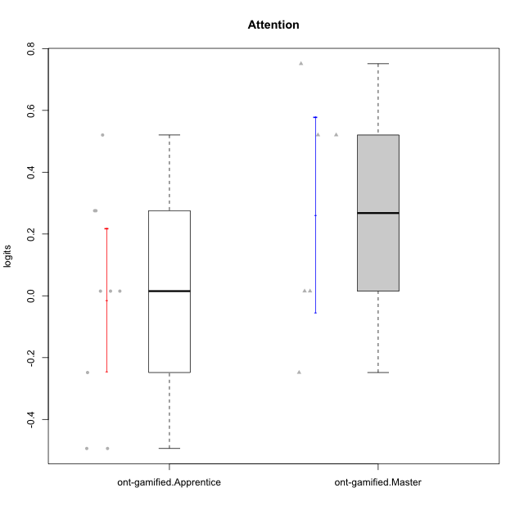

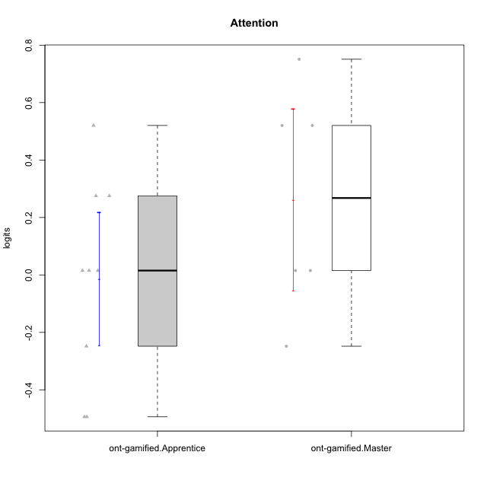

Student's t-Test data
UserID | NroUSP | Type | CLGroup | CLRole | PlayerRole | Attention | error | WLE.rel
10171 | 698531 | ont-gamified | Grupo Losvakai | Master | Yee Achiever | 0.75098899778 | 0.48604705624 | 0.49120665015
10179 | 10310759 | ont-gamified | Grupo Tosskor | Apprentice | Yee Achiever | -0.24821267164 | 0.48742891024 | 0.49120665015
10185 | 10276960 | ont-gamified | Grupo Tosskor | Master | Yee Achiever | 0.015219938417 | 0.4959323733 | 0.49120665015
10187 | 9790781 | ont-gamified | Grupo Razorg | Apprentice | Yee Achiever | 0.015219938417 | 0.4959323733 | 0.49120665015
10188 | 10276995 | ont-gamified | Grupo Paldira | Master | Yee Achiever | -0.24821267164 | 0.48742891024 | 0.49120665015
10202 | 10277036 | ont-gamified | Grupo Paldira | Apprentice | Yee Achiever | -0.49394158914 | 0.47017278191 | 0.49120665015
10208 | 10276932 | ont-gamified | Grupo Yeka | Master | Yee Socializer | 0.015219938417 | 0.4959323733 | 0.49120665015
10210 | 10277015 | ont-gamified | Grupo Losvakai | Apprentice | Yee Achiever | -0.49394158914 | 0.47017278191 | 0.49120665015
10214 | 10277022 | ont-gamified | Grupo Koil | Apprentice | Yee Achiever | 0.27533387471 | 0.49485604731 | 0.49120665015
10216 | 10276720 | ont-gamified | Grupo Ellaru | Master | Yee Socializer | 0.52039874435 | 0.48969913406 | 0.49120665015
10217 | 9805341 | ont-gamified | Grupo Belos | Master | Yee Socializer | 0.52039874435 | 0.48969913406 | 0.49120665015
10226 | 10310342 | ont-gamified | Grupo Yeka | Apprentice | Yee Socializer | 0.52039874435 | 0.48969913406 | 0.49120665015
10228 | 10310492 | ont-gamified | Grupo Losvakai | Apprentice | Yee Achiever | 0.015219938417 | 0.4959323733 | 0.49120665015
10237 | 10377688 | ont-gamified | Grupo Ellaru | Apprentice | Yee Socializer | 0.015219938417 | 0.4959323733 | 0.49120665015
10238 | 10276953 | ont-gamified | Grupo Belos | Apprentice | Yee Socializer | 0.27533387471 | 0.49485604731 | 0.49120665015

