Assumptions
ANOVA assumptions for Level of Motivation

Shapiro-Wilk normality test for Level of Motivation
W | p.value
0.98777323537 | 0.89955263647

Plots for normality test
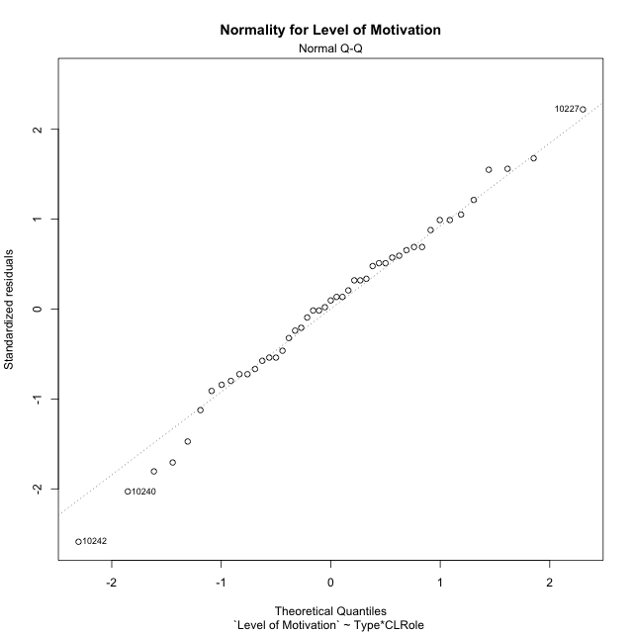

Levene's Test for Homogeneity of Variance in Level of Motivation
Df | F value | Pr(>F)
3 | 2.0586699244 | 0.11983848241
43

Plots for homogeneity of variance
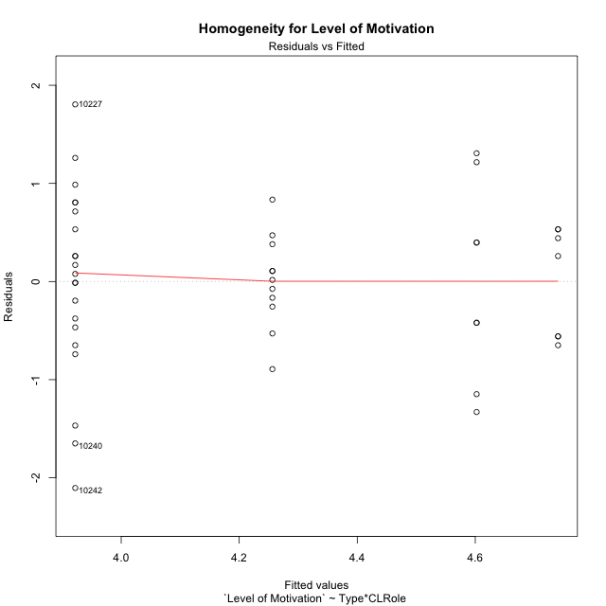

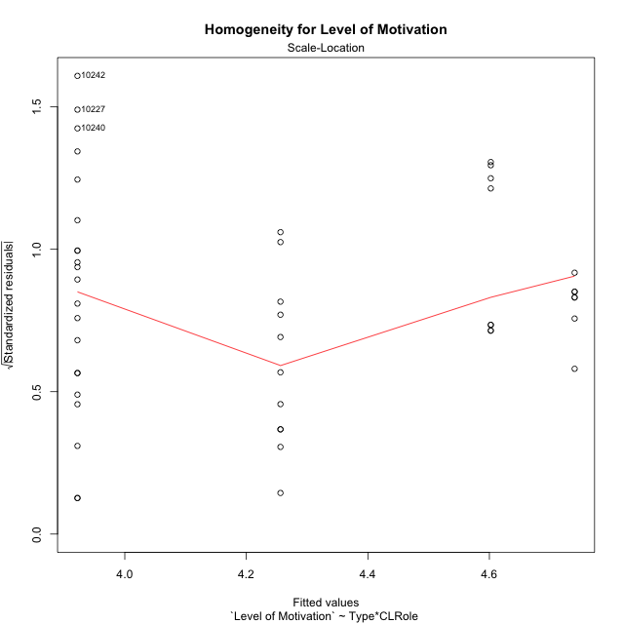

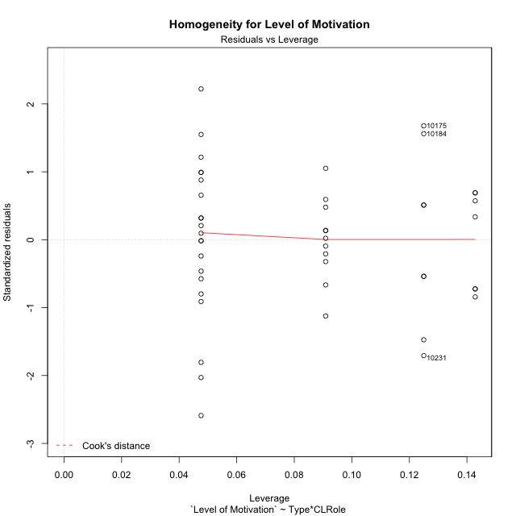

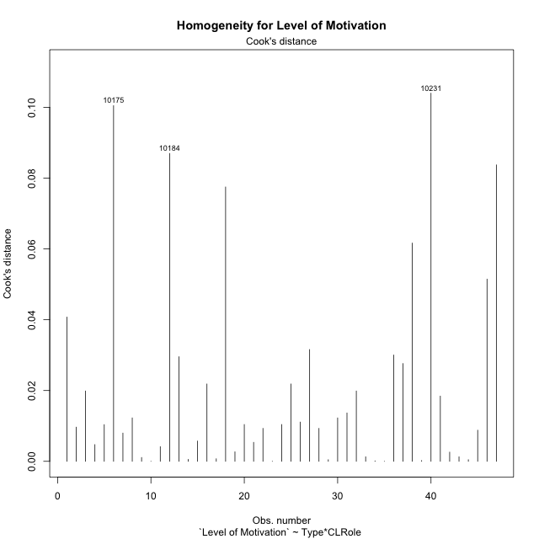

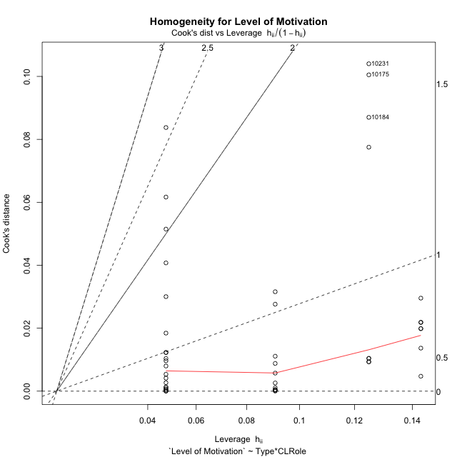

Minimum Sample Size Test for Level of Motivation
Type | CLRole | Freq
non-gamified | Apprentice | 21
ont-gamified | Apprentice | 11
non-gamified | Master | 8
ont-gamified | Master | 7

Errors and Warnings in Sample Size Test for ANOVA in Level of Motivation
code | description
WARN: sample.size | current.size is = 11 and recommended.size must be = 15 for the group: 'ont-gamified:Apprentice'. Size sample for parametric test isn't recomended
WARN: sample.size | current.size is = 8 and recommended.size must be = 15 for the group: 'non-gamified:Master'. Size sample for parametric test isn't recomended
WARN: sample.size | current.size is = 7 and recommended.size must be = 15 for the group: 'ont-gamified:Master'. Size sample for parametric test isn't recomended

For the group: 'non-gamified:Apprentice', you can perform a parametric test with a non-normal distribution For the group: 'ont-gamified:Apprentice', we recommend the use of non parametric test. For the group: 'non-gamified:Master', we recommend the use of non parametric test. For the group: 'ont-gamified:Master', we recommend the use of non parametric test.

If you don't want to remove non-normal data, you must cite the following references: ... (1) Lix, L.M., J.C. Keselman, and H.J. Keselman. 1996. Consequences of assumption violations revisited: A quantitative review of alternatives to the one-way analysis of variance F test. Rev. Educ. Res. 66: 579-619. ... (2) Harwell, M.R., E.N. Rubinstein, W.S. Hayes, and C.C. Olds. 1992. Summarizing Monte Carlo results in methodological research: the one- and two-factor fixed effects ANOVA cases. J. Educ. Stat. 17: 315-339.

Post-hoc
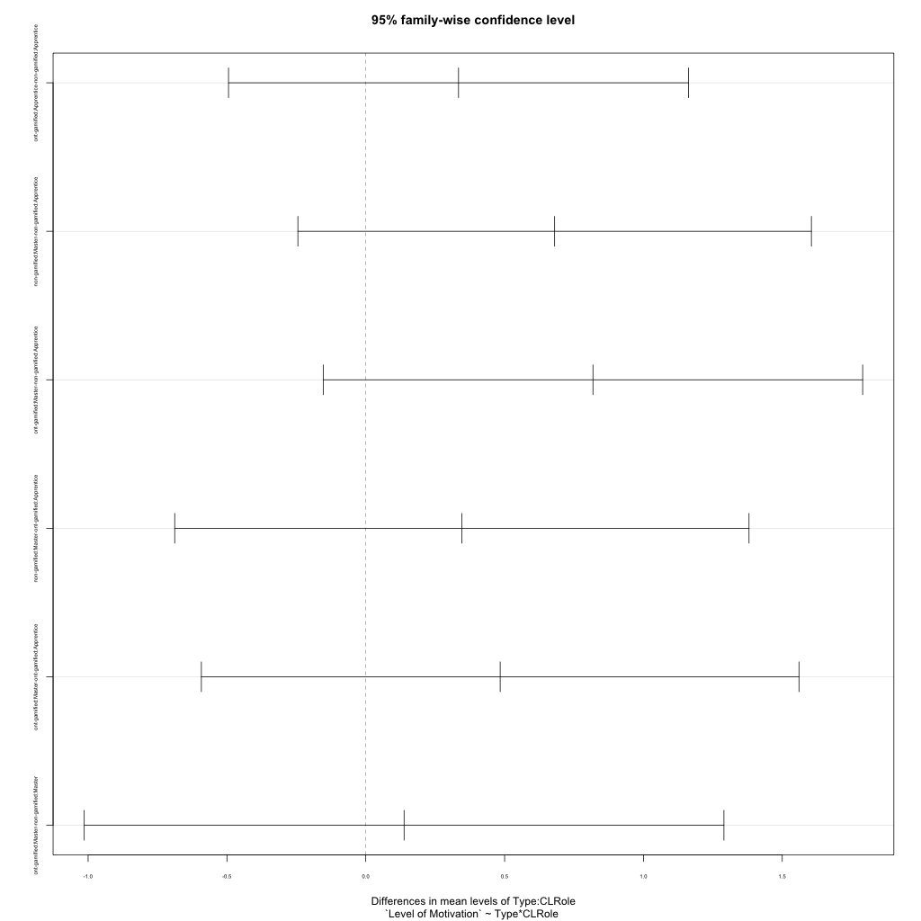
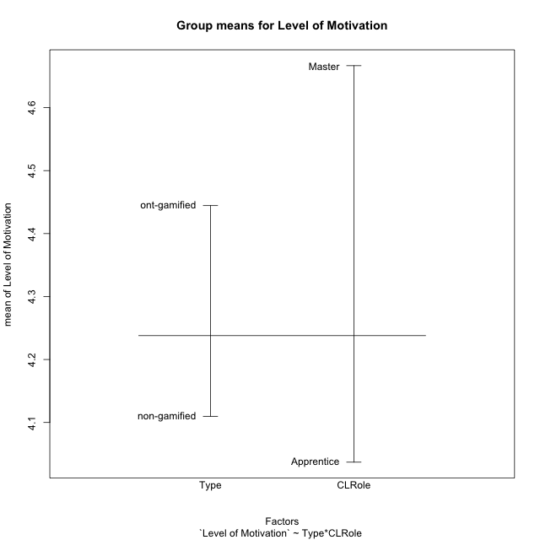
Post-hoc Tukey Honestly Significant Difference (HSD) Test for Level of Motivation

Comparisons of means for Type
 | diff | lwr | upr | p adj
ont-gamified-non-gamified | 0.33472657611 | -0.16925679821 | 0.83870995042 | 0.18747404501

Comparisons of means for CLRole
 | diff | lwr | upr | p adj
Master-Apprentice | 0.58859137351 | 0.063021040229 | 1.1141617068 | 0.029042026543

Comparisons of means for Type:CLRole
 | diff | lwr | upr | p adj
ont-gamified:Apprentice-non-gamified:Apprentice | 0.33412042503 | -0.49427365256 | 1.1625145026 | 0.70471014056
non-gamified:Master-non-gamified:Apprentice | 0.68019480519 | -0.24452965238 | 1.6049192628 | 0.21682417827
ont-gamified:Master-non-gamified:Apprentice | 0.81818181818 | -0.15319634103 | 1.7895599774 | 0.12595247105
non-gamified:Master-ont-gamified:Apprentice | 0.34607438017 | -0.68812304108 | 1.3802718014 | 0.80782986718
ont-gamified:Master-ont-gamified:Apprentice | 0.48406139315 | -0.59205408015 | 1.5601768665 | 0.62886746624
ont-gamified:Master-non-gamified:Master | 0.13798701299 | -1.0139257817 | 1.2898998077 | 0.98849255384

Contrast Matrices for Level of Motivation - Type
contrast | estimate | SE | df | t.ratio | p.value
non-gamified - ont-gamified | -0.23605371901 | 0.26546171967 | 43 | -0.88921942983 | 0.37883294394

Contrast Matrices for Level of Motivation - Type:CLRole
contrast | CLRole | estimate | SE | df | t.ratio | p.value
non-gamified - ont-gamified | Apprentice | -0.33412042503 | 0.30997874332 | 43 | -1.077881733 | 0.28709637345
non-gamified - ont-gamified | Master | -0.13798701299 | 0.43103697885 | 43 | -0.32012801629 | 0.75042170974

Least Squares Means and Confidence Intervals for Type
Type | lsmean | SE | df | lower.CL | upper.CL | Pairs
non-gamified | 4.2621753247 | 0.17301241826 | 43 | 3.9132625304 | 4.611088119 | non-gamified
ont-gamified | 4.4982290437 | 0.20133709976 | 43 | 4.0921940852 | 4.9042640022 | ont-gamified

Least Squares Means and Confidence Intervals for Type:CLRole
Type | CLRole | lsmean | SE | df | lower.CL | upper.CL | Pairs
non-gamified | Apprentice | 3.9220779221 | 0.18174114786 | 43 | 3.5555619669 | 4.2885938772 | non-gamified.Apprentice
ont-gamified | Apprentice | 4.2561983471 | 0.25111148218 | 43 | 3.7497837799 | 4.7626129144 | ont-gamified.Apprentice
non-gamified | Master | 4.6022727273 | 0.29445431337 | 43 | 4.0084490105 | 5.1960964441 | non-gamified.Master
ont-gamified | Master | 4.7402597403 | 0.31478490192 | 43 | 4.1054354841 | 5.3750839964 | ont-gamified.Master

Plots

Type_1
Student's t-Test for Level of Motivation in Type between non-gamified:ont-gamified

Student's t-Test results
Alternative hypothesis: less
Group | N | Mean | Mean.Difference | Std.deviation | Std.error | CI.lower | CI.upper | df | t.value | p.value | g | magnitude
non-gamified | 29 | 4.1097178683 | -0.33472657611 | 1.0065837904 | 0.18691791735 | 3.7358820336 | 4.483553703 | 44.465461478 | -1.4716802038 | 0.074074948917 | -0.38139779007 | small
ont-gamified | 18 | 4.4444444444 | 0.33472657611 | 0.54979457771 | 0.12958782472 | 4.185268795 | 4.7036200939 | 44.465461478 | -1.4716802038 | 0.074074948917 | -0.38139779007 | small
Alternative hypothesis: greater
Group | N | Mean | Mean.Difference | Std.deviation | Std.error | CI.lower | CI.upper | df | t.value | p.value | g | magnitude
non-gamified | 29 | 4.1097178683 | -0.33472657611 | 1.0065837904 | 0.18691791735 | 3.7358820336 | 4.483553703 | 44.465461478 | -1.4716802038 | 0.92592505108 | -0.38139779007 | small
ont-gamified | 18 | 4.4444444444 | 0.33472657611 | 0.54979457771 | 0.12958782472 | 4.185268795 | 4.7036200939 | 44.465461478 | -1.4716802038 | 0.92592505108 | -0.38139779007 | small
Alternative hypothesis: two.sided
Group | N | Mean | Mean.Difference | Std.deviation | Std.error | CI.lower | CI.upper | df | t.value | p.value | g | magnitude
non-gamified | 29 | 4.1097178683 | -0.33472657611 | 1.0065837904 | 0.18691791735 | 3.7358820336 | 4.483553703 | 44.465461478 | -1.4716802038 | 0.14814989783 | -0.38139779007 | small
ont-gamified | 18 | 4.4444444444 | 0.33472657611 | 0.54979457771 | 0.12958782472 | 4.185268795 | 4.7036200939 | 44.465461478 | -1.4716802038 | 0.14814989783 | -0.38139779007 | small

Box plots for Student's t-Test
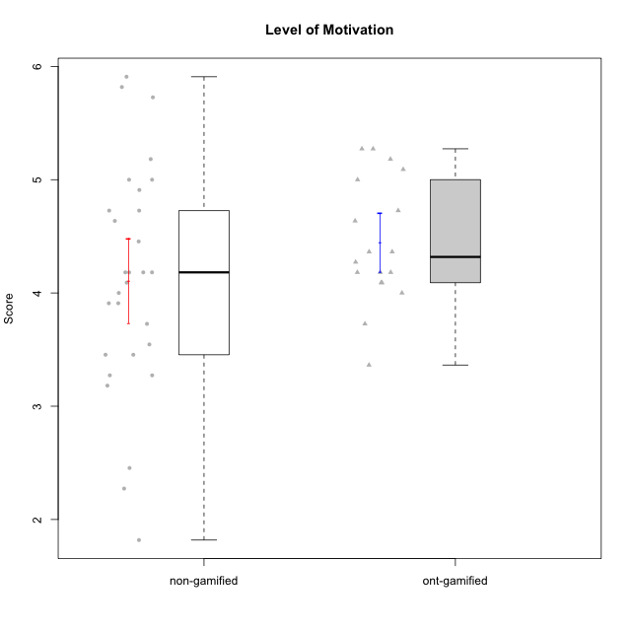

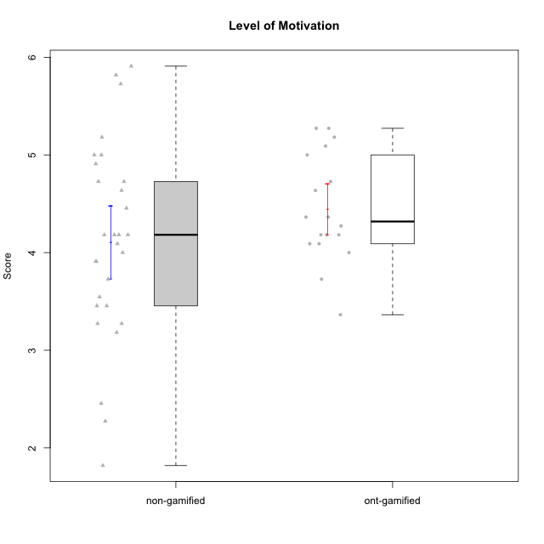

Student's t-Test data
UserID | NroUSP | Type | CLGroup | CLRole | PlayerRole | Item01A | Item04A | Item05A | Item12A | Item19A | Item20A | Item09S | Item11S | Item14S | Item24S | Item25S | Attention | Satisfaction | Level of Motivation
10169 | 10377538 | non-gamified | Grupo Team 10 | Apprentice |  | 2 | 2 | 2 | 2 | 2 | 2 | 1 | 2 | 2 | 3 | 7 | 2 | 3 | 2.4545454545
10170 | 10260351 | non-gamified | Grupo Team 6 | Apprentice |  | 4 | 5 | 4 | 5 | 5 | 3 | 4 | 5 | 4 | 6 | 6 | 4.3333333333 | 5 | 4.6363636364
10171 | 698531 | ont-gamified | Grupo Losvakai | Master | Yee Achiever | 5 | 5 | 6 | 5 | 5 | 4 | 4 | 5 | 6 | 6 | 7 | 5 | 5.6 | 5.2727272727
10172 | 10273971 | ont-gamified | Grupo Koil | Master | Yee Achiever | 6 | 6 | 6 | 4 | 5 | 5 | 4 | 5 | 4 | 5 | 5 | 5.3333333333 | 4.6 | 5
10174 | 10276852 | non-gamified | Grupo Team 1 | Apprentice |  | 4 | 4 | 4 | 3 | 1 | 3 | 2 | 4 | 2 | 4 | 4 | 3.1666666667 | 3.2 | 3.1818181818
10175 | 10310700 | non-gamified | Grupo Team 6 | Master |  | 7 | 5 | 6 | 7 | 6 | 4 | 6 | 6 | 5 | 6 | 7 | 5.8333333333 | 6 | 5.9090909091
10176 | 10276949 | non-gamified | Grupo Team 9 | Apprentice |  | 3 | 3 | 3 | 3 | 3 | 3 | 3 | 6 | 3 | 3 | 3 | 3 | 3.6 | 3.2727272727
10178 | 8656201 | non-gamified | Grupo Team 11 | Apprentice |  | 4 | 5 | 5 | 5 | 5 | 5 | 4 | 5 | 4 | 5 | 5 | 4.8333333333 | 4.6 | 4.7272727273
10179 | 10310759 | ont-gamified | Grupo Tosskor | Apprentice | Yee Achiever | 4 | 4 | 4 | 4 | 4 | 4 | 2 | 4 | 3 | 6 | 6 | 4 | 4.2 | 4.0909090909
10181 | 10276866 | non-gamified | Grupo Team 7 | Apprentice |  | 5 | 5 | 4 | 5 | 1 | 4 | 3 | 5 | 5 | 3 | 3 | 4 | 3.8 | 3.9090909091
10183 | 10352030 | non-gamified | Grupo Belos | Apprentice | Yee Socializer | 4 | 2 | 3 | 3 | 5 | 2 | 3 | 3 | 4 | 5 | 4 | 3.1666666667 | 3.8 | 3.4545454545
10184 | 10276675 | non-gamified | Grupo Team 7 | Master |  | 5 | 6 | 6 | 6 | 4 | 6 | 6 | 6 | 6 | 7 | 6 | 5.5 | 6.2 | 5.8181818182
10185 | 10276960 | ont-gamified | Grupo Tosskor | Master | Yee Achiever | 4 | 5 | 5 | 4 | 5 | 3 | 3 | 4 | 4 | 4 | 4 | 4.3333333333 | 3.8 | 4.0909090909
10186 | 10310551 | non-gamified | Grupo Team 5 | Apprentice |  | 1 | 4 | 6 | 3 | 1 | 4 | 4 | 3 | 5 | 7 | 7 | 3.1666666667 | 5.2 | 4.0909090909
10187 | 9790781 | ont-gamified | Grupo Razorg | Apprentice | Yee Achiever | 6 | 4 | 4 | 4 | 4 | 5 | 5 | 4 | 5 | 5 | 5 | 4.5 | 4.8 | 4.6363636364
10188 | 10276995 | ont-gamified | Grupo Paldira | Master | Yee Achiever | 4 | 5 | 4 | 5 | 3 | 4 | 4 | 4 | 4 | 5 | 4 | 4.1666666667 | 4.2 | 4.1818181818
10190 | 10276907 | non-gamified | Grupo Team 8 | Apprentice |  | 3 | 4 | 2 | 1 | 1 | 1 | 4 | 6 | 7 | 7 | 5 | 2 | 5.8 | 3.7272727273
10193 | 10276762 | non-gamified | Grupo Team 2 | Master |  | 3 | 3 | 6 | 4 | 4 | 3 | 3 | 1 | 4 | 4 | 3 | 3.8333333333 | 3 | 3.4545454545
10196 | 10310655 | non-gamified | Grupo Team 5 | Apprentice |  | 4 | 1 | 3 | 4 | 4 | 4 | 4 | 4 | 5 | 2 | 4 | 3.3333333333 | 3.8 | 3.5454545455
10197 | 10276661 | non-gamified | Grupo Team 11 | Master |  | 7 | 5 | 4 | 4 | 2 | 4 | 4 | 3 | 3 | 4 | 6 | 4.3333333333 | 4 | 4.1818181818
10200 | 9795272 | non-gamified | Grupo Team 4 | Apprentice |  | 5 | 5 | 3 | 4 | 4 | 4 | 4 | 4 | 5 | 6 | 5 | 4.1666666667 | 4.8 | 4.4545454545
10201 | 10276928 | non-gamified | Grupo Team 10 | Master |  | 4 | 4 | 5 | 5 | 5 | 5 | 3 | 6 | 6 | 6 | 6 | 4.6666666667 | 5.4 | 5
10202 | 10277036 | ont-gamified | Grupo Paldira | Apprentice | Yee Achiever | 5 | 4 | 4 | 4 | 3 | 4 | 4 | 5 | 4 | 5 | 5 | 4 | 4.6 | 4.2727272727
10206 | 10310721 | non-gamified | Grupo Team 9 | Master |  | 4 | 5 | 3 | 3 | 4 | 3 | 4 | 4 | 5 | 6 | 5 | 3.6666666667 | 4.8 | 4.1818181818
10208 | 10276932 | ont-gamified | Grupo Yeka | Master | Yee Socializer | 4 | 3 | 5 | 3 | 5 | 4 | 4 | 5 | 4 | 5 | 4 | 4 | 4.4 | 4.1818181818
10210 | 10277015 | ont-gamified | Grupo Losvakai | Apprentice | Yee Achiever | 4 | 4 | 6 | 4 | 2 | 3 | 2 | 4 | 6 | 3 | 3 | 3.8333333333 | 3.6 | 3.7272727273
10212 | 9065750 | ont-gamified | Grupo Ellaru | Apprentice | Yee Socializer | 2 | 4 | 2 | 3 | 4 | 3 | 3 | 5 | 2 | 4 | 5 | 3 | 3.8 | 3.3636363636
10213 | 10277040 | non-gamified | Grupo Team 8 | Master |  | 4 | 3 | 7 | 5 | 6 | 5 | 2 | 4 | 6 | 6 | 7 | 5 | 5 | 5
10214 | 10277022 | ont-gamified | Grupo Koil | Apprentice | Yee Achiever | 4 | 5 | 5 | 4 | 5 | 4 | 3 | 4 | 4 | 5 | 5 | 4.5 | 4.2 | 4.3636363636
10215 | 9285227 | non-gamified | Grupo Team 7 | Apprentice |  | 6 | 4 | 3 | 3 | 4 | 4 | 7 | 4 | 5 | 6 | 6 | 4 | 5.6 | 4.7272727273
10216 | 10276720 | ont-gamified | Grupo Ellaru | Master | Yee Socializer | 2 | 5 | 7 | 3 | 7 | 2 | 4 | 7 | 6 | 7 | 7 | 4.3333333333 | 6.2 | 5.1818181818
10217 | 9805341 | ont-gamified | Grupo Belos | Master | Yee Socializer | 5 | 6 | 6 | 4 | 4 | 5 | 4 | 6 | 6 | 6 | 6 | 5 | 5.6 | 5.2727272727
10218 | 9842913 | non-gamified | Grupo Team 10 | Apprentice |  | 4 | 2 | 4 | 4 | 2 | 2 | 4 | 5 | 5 | 7 | 7 | 3 | 5.6 | 4.1818181818
10220 | 9760151 | non-gamified | Grupo Team 4 | Apprentice |  | 1 | 1 | 1 | 1 | 1 | 4 | 7 | 7 | 7 | 7 | 7 | 1.5 | 7 | 4
10221 | 9082496 | non-gamified | Grupo Team 3 | Apprentice |  | 4 | 2 | 3 | 3 | 4 | 4 | 4 | 6 | 3 | 4 | 6 | 3.3333333333 | 4.6 | 3.9090909091
10224 | 9368772 | non-gamified | Grupo Team 9 | Apprentice |  | 4 | 7 | 5 | 5 | 5 | 5 | 4 | 4 | 6 | 6 | 6 | 5.1666666667 | 5.2 | 5.1818181818
10226 | 10310342 | ont-gamified | Grupo Yeka | Apprentice | Yee Socializer | 6 | 4 | 3 | 6 | 5 | 5 | 4 | 6 | 5 | 6 | 6 | 4.8333333333 | 5.4 | 5.0909090909
10227 | 9274382 | non-gamified | Grupo Team 2 | Apprentice |  | 7 | 5 | 4 | 6 | 5 | 6 | 6 | 6 | 6 | 6 | 6 | 5.5 | 6 | 5.7272727273
10228 | 10310492 | ont-gamified | Grupo Losvakai | Apprentice | Yee Achiever | 4 | 4 | 4 | 5 | 4 | 4 | 4 | 4 | 4 | 5 | 4 | 4.1666666667 | 4.2 | 4.1818181818
10231 | 10276911 | non-gamified | Grupo Team 4 | Master |  | 3 | 4 | 4 | 2 | 2 | 2 | 1 | 3 | 4 | 6 | 5 | 2.8333333333 | 3.8 | 3.2727272727
10232 | 10276974 | non-gamified | Grupo Team 3 | Apprentice |  | 5 | 5 | 5 | 5 | 5 | 5 | 5 | 6 | 5 | 7 | 1 | 5 | 4.8 | 4.9090909091
10233 | 9805320 | ont-gamified | Grupo Tosskor | Apprentice | Yee Achiever | 2 | 3 | 5 | 4 | 6 | 7 | 1 | 4 | 2 | 6 | 4 | 4.5 | 3.4 | 4
10234 | 10310676 | non-gamified | Grupo Team 6 | Apprentice |  | 4 | 4 | 5 | 4 | 6 | 6 | 2 | 4 | 3 | 4 | 4 | 4.8333333333 | 3.4 | 4.1818181818
10237 | 10377688 | ont-gamified | Grupo Ellaru | Apprentice | Yee Socializer | 4 | 3 | 6 | 4 | 4 | 3 | 4 | 5 | 5 | 5 | 5 | 4 | 4.8 | 4.3636363636
10238 | 10276953 | ont-gamified | Grupo Belos | Apprentice | Yee Socializer | 4 | 4 | 4 | 5 | 5 | 4 | 5 | 5 | 5 | 5 | 6 | 4.3333333333 | 5.2 | 4.7272727273
10240 | 10276654 | non-gamified | Grupo Team 8 | Apprentice |  | 2 | 2 | 2 | 2 | 2 | 2 | 2 | 4 | 2 | 3 | 2 | 2 | 2.6 | 2.2727272727
10242 | 9424506 | non-gamified | Grupo Team 11 | Apprentice |  | 1 | 1 | 1 | 1 | 1 | 1 | 1 | 1 | 1 | 7 | 4 | 1 | 2.8 | 1.8181818182

Type_CLRole_1
Student's t-Test for Level of Motivation in Type:CLRole between non-gamified.Apprentice:non-gamified.Master

Student's t-Test results
Alternative hypothesis: less
Group | N | Mean | Mean.Difference | Std.deviation | Std.error | CI.lower | CI.upper | df | t.value | p.value | g | magnitude
non-gamified.Apprentice | 21 | 3.9220779221 | -0.68019480519 | 0.96820773089 | 0.21128024834 | 3.4995174254 | 4.3446384188 | 12.387595664 | -1.6566096626 | 0.061345886745 | -0.67777531282 | medium
non-gamified.Master | 8 | 4.6022727273 | 0.68019480519 | 0.99578509604 | 0.35206319701 | 3.8981463333 | 5.3063991213 | 12.387595664 | -1.6566096626 | 0.061345886745 | -0.67777531282 | medium
Alternative hypothesis: greater
Group | N | Mean | Mean.Difference | Std.deviation | Std.error | CI.lower | CI.upper | df | t.value | p.value | g | magnitude
non-gamified.Apprentice | 21 | 3.9220779221 | -0.68019480519 | 0.96820773089 | 0.21128024834 | 3.4995174254 | 4.3446384188 | 12.387595664 | -1.6566096626 | 0.93865411325 | -0.67777531282 | medium
non-gamified.Master | 8 | 4.6022727273 | 0.68019480519 | 0.99578509604 | 0.35206319701 | 3.8981463333 | 5.3063991213 | 12.387595664 | -1.6566096626 | 0.93865411325 | -0.67777531282 | medium
Alternative hypothesis: two.sided
Group | N | Mean | Mean.Difference | Std.deviation | Std.error | CI.lower | CI.upper | df | t.value | p.value | g | magnitude
non-gamified.Apprentice | 21 | 3.9220779221 | -0.68019480519 | 0.96820773089 | 0.21128024834 | 3.4995174254 | 4.3446384188 | 12.387595664 | -1.6566096626 | 0.12269177349 | -0.67777531282 | medium
non-gamified.Master | 8 | 4.6022727273 | 0.68019480519 | 0.99578509604 | 0.35206319701 | 3.8981463333 | 5.3063991213 | 12.387595664 | -1.6566096626 | 0.12269177349 | -0.67777531282 | medium

Box plots for Student's t-Test
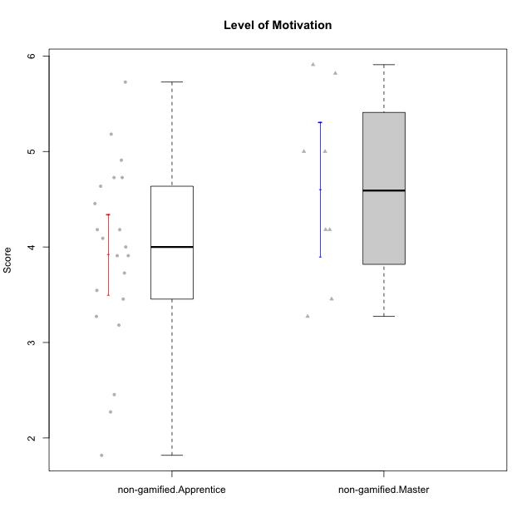

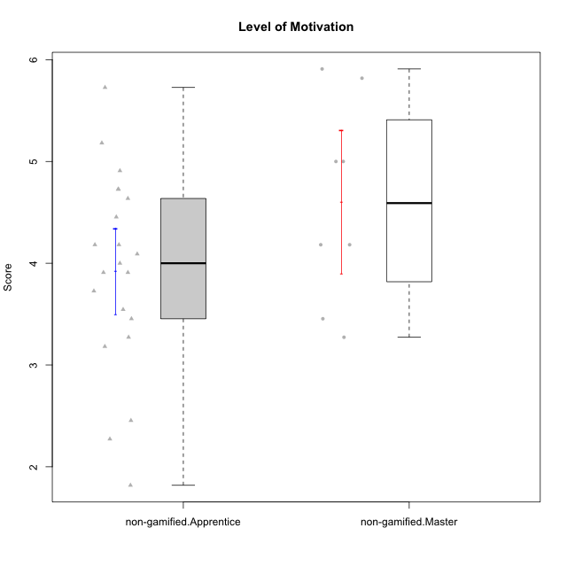

Student's t-Test data
UserID | NroUSP | Type | CLGroup | CLRole | PlayerRole | Item01A | Item04A | Item05A | Item12A | Item19A | Item20A | Item09S | Item11S | Item14S | Item24S | Item25S | Attention | Satisfaction | Level of Motivation
10169 | 10377538 | non-gamified | Grupo Team 10 | Apprentice |  | 2 | 2 | 2 | 2 | 2 | 2 | 1 | 2 | 2 | 3 | 7 | 2 | 3 | 2.4545454545
10170 | 10260351 | non-gamified | Grupo Team 6 | Apprentice |  | 4 | 5 | 4 | 5 | 5 | 3 | 4 | 5 | 4 | 6 | 6 | 4.3333333333 | 5 | 4.6363636364
10174 | 10276852 | non-gamified | Grupo Team 1 | Apprentice |  | 4 | 4 | 4 | 3 | 1 | 3 | 2 | 4 | 2 | 4 | 4 | 3.1666666667 | 3.2 | 3.1818181818
10175 | 10310700 | non-gamified | Grupo Team 6 | Master |  | 7 | 5 | 6 | 7 | 6 | 4 | 6 | 6 | 5 | 6 | 7 | 5.8333333333 | 6 | 5.9090909091
10176 | 10276949 | non-gamified | Grupo Team 9 | Apprentice |  | 3 | 3 | 3 | 3 | 3 | 3 | 3 | 6 | 3 | 3 | 3 | 3 | 3.6 | 3.2727272727
10178 | 8656201 | non-gamified | Grupo Team 11 | Apprentice |  | 4 | 5 | 5 | 5 | 5 | 5 | 4 | 5 | 4 | 5 | 5 | 4.8333333333 | 4.6 | 4.7272727273
10181 | 10276866 | non-gamified | Grupo Team 7 | Apprentice |  | 5 | 5 | 4 | 5 | 1 | 4 | 3 | 5 | 5 | 3 | 3 | 4 | 3.8 | 3.9090909091
10183 | 10352030 | non-gamified | Grupo Belos | Apprentice | Yee Socializer | 4 | 2 | 3 | 3 | 5 | 2 | 3 | 3 | 4 | 5 | 4 | 3.1666666667 | 3.8 | 3.4545454545
10184 | 10276675 | non-gamified | Grupo Team 7 | Master |  | 5 | 6 | 6 | 6 | 4 | 6 | 6 | 6 | 6 | 7 | 6 | 5.5 | 6.2 | 5.8181818182
10186 | 10310551 | non-gamified | Grupo Team 5 | Apprentice |  | 1 | 4 | 6 | 3 | 1 | 4 | 4 | 3 | 5 | 7 | 7 | 3.1666666667 | 5.2 | 4.0909090909
10190 | 10276907 | non-gamified | Grupo Team 8 | Apprentice |  | 3 | 4 | 2 | 1 | 1 | 1 | 4 | 6 | 7 | 7 | 5 | 2 | 5.8 | 3.7272727273
10193 | 10276762 | non-gamified | Grupo Team 2 | Master |  | 3 | 3 | 6 | 4 | 4 | 3 | 3 | 1 | 4 | 4 | 3 | 3.8333333333 | 3 | 3.4545454545
10196 | 10310655 | non-gamified | Grupo Team 5 | Apprentice |  | 4 | 1 | 3 | 4 | 4 | 4 | 4 | 4 | 5 | 2 | 4 | 3.3333333333 | 3.8 | 3.5454545455
10197 | 10276661 | non-gamified | Grupo Team 11 | Master |  | 7 | 5 | 4 | 4 | 2 | 4 | 4 | 3 | 3 | 4 | 6 | 4.3333333333 | 4 | 4.1818181818
10200 | 9795272 | non-gamified | Grupo Team 4 | Apprentice |  | 5 | 5 | 3 | 4 | 4 | 4 | 4 | 4 | 5 | 6 | 5 | 4.1666666667 | 4.8 | 4.4545454545
10201 | 10276928 | non-gamified | Grupo Team 10 | Master |  | 4 | 4 | 5 | 5 | 5 | 5 | 3 | 6 | 6 | 6 | 6 | 4.6666666667 | 5.4 | 5
10206 | 10310721 | non-gamified | Grupo Team 9 | Master |  | 4 | 5 | 3 | 3 | 4 | 3 | 4 | 4 | 5 | 6 | 5 | 3.6666666667 | 4.8 | 4.1818181818
10213 | 10277040 | non-gamified | Grupo Team 8 | Master |  | 4 | 3 | 7 | 5 | 6 | 5 | 2 | 4 | 6 | 6 | 7 | 5 | 5 | 5
10215 | 9285227 | non-gamified | Grupo Team 7 | Apprentice |  | 6 | 4 | 3 | 3 | 4 | 4 | 7 | 4 | 5 | 6 | 6 | 4 | 5.6 | 4.7272727273
10218 | 9842913 | non-gamified | Grupo Team 10 | Apprentice |  | 4 | 2 | 4 | 4 | 2 | 2 | 4 | 5 | 5 | 7 | 7 | 3 | 5.6 | 4.1818181818
10220 | 9760151 | non-gamified | Grupo Team 4 | Apprentice |  | 1 | 1 | 1 | 1 | 1 | 4 | 7 | 7 | 7 | 7 | 7 | 1.5 | 7 | 4
10221 | 9082496 | non-gamified | Grupo Team 3 | Apprentice |  | 4 | 2 | 3 | 3 | 4 | 4 | 4 | 6 | 3 | 4 | 6 | 3.3333333333 | 4.6 | 3.9090909091
10224 | 9368772 | non-gamified | Grupo Team 9 | Apprentice |  | 4 | 7 | 5 | 5 | 5 | 5 | 4 | 4 | 6 | 6 | 6 | 5.1666666667 | 5.2 | 5.1818181818
10227 | 9274382 | non-gamified | Grupo Team 2 | Apprentice |  | 7 | 5 | 4 | 6 | 5 | 6 | 6 | 6 | 6 | 6 | 6 | 5.5 | 6 | 5.7272727273
10231 | 10276911 | non-gamified | Grupo Team 4 | Master |  | 3 | 4 | 4 | 2 | 2 | 2 | 1 | 3 | 4 | 6 | 5 | 2.8333333333 | 3.8 | 3.2727272727
10232 | 10276974 | non-gamified | Grupo Team 3 | Apprentice |  | 5 | 5 | 5 | 5 | 5 | 5 | 5 | 6 | 5 | 7 | 1 | 5 | 4.8 | 4.9090909091
10234 | 10310676 | non-gamified | Grupo Team 6 | Apprentice |  | 4 | 4 | 5 | 4 | 6 | 6 | 2 | 4 | 3 | 4 | 4 | 4.8333333333 | 3.4 | 4.1818181818
10240 | 10276654 | non-gamified | Grupo Team 8 | Apprentice |  | 2 | 2 | 2 | 2 | 2 | 2 | 2 | 4 | 2 | 3 | 2 | 2 | 2.6 | 2.2727272727
10242 | 9424506 | non-gamified | Grupo Team 11 | Apprentice |  | 1 | 1 | 1 | 1 | 1 | 1 | 1 | 1 | 1 | 7 | 4 | 1 | 2.8 | 1.8181818182

Type_CLRole_2
Student's t-Test for Level of Motivation in Type:CLRole between non-gamified.Apprentice:ont-gamified.Apprentice

Student's t-Test results
Alternative hypothesis: less
Group | N | Mean | Mean.Difference | Std.deviation | Std.error | CI.lower | CI.upper | df | t.value | p.value | g | magnitude
non-gamified.Apprentice | 21 | 3.9220779221 | -0.33412042503 | 0.96820773089 | 0.21128024834 | 3.4995174254 | 4.3446384188 | 29.956292985 | -1.3085361569 | 0.10032125147 | -0.38919015231 | small
ont-gamified.Apprentice | 11 | 4.2561983471 | 0.33412042503 | 0.4755478473 | 0.14338307085 | 3.9694322054 | 4.5429644888 | 29.956292985 | -1.3085361569 | 0.10032125147 | -0.38919015231 | small
Alternative hypothesis: greater
Group | N | Mean | Mean.Difference | Std.deviation | Std.error | CI.lower | CI.upper | df | t.value | p.value | g | magnitude
non-gamified.Apprentice | 21 | 3.9220779221 | -0.33412042503 | 0.96820773089 | 0.21128024834 | 3.4995174254 | 4.3446384188 | 29.956292985 | -1.3085361569 | 0.89967874853 | -0.38919015231 | small
ont-gamified.Apprentice | 11 | 4.2561983471 | 0.33412042503 | 0.4755478473 | 0.14338307085 | 3.9694322054 | 4.5429644888 | 29.956292985 | -1.3085361569 | 0.89967874853 | -0.38919015231 | small
Alternative hypothesis: two.sided
Group | N | Mean | Mean.Difference | Std.deviation | Std.error | CI.lower | CI.upper | df | t.value | p.value | g | magnitude
non-gamified.Apprentice | 21 | 3.9220779221 | -0.33412042503 | 0.96820773089 | 0.21128024834 | 3.4995174254 | 4.3446384188 | 29.956292985 | -1.3085361569 | 0.20064250293 | -0.38919015231 | small
ont-gamified.Apprentice | 11 | 4.2561983471 | 0.33412042503 | 0.4755478473 | 0.14338307085 | 3.9694322054 | 4.5429644888 | 29.956292985 | -1.3085361569 | 0.20064250293 | -0.38919015231 | small

Box plots for Student's t-Test
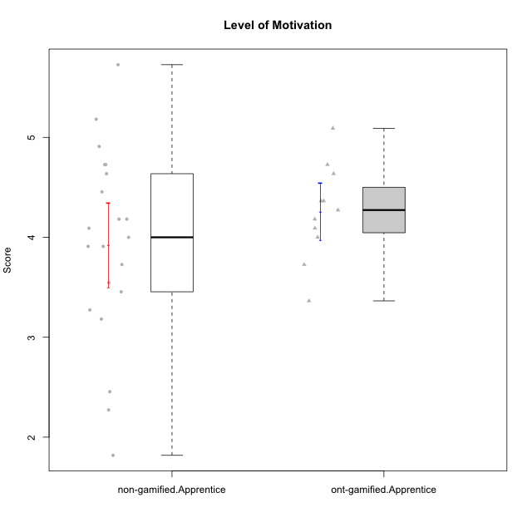

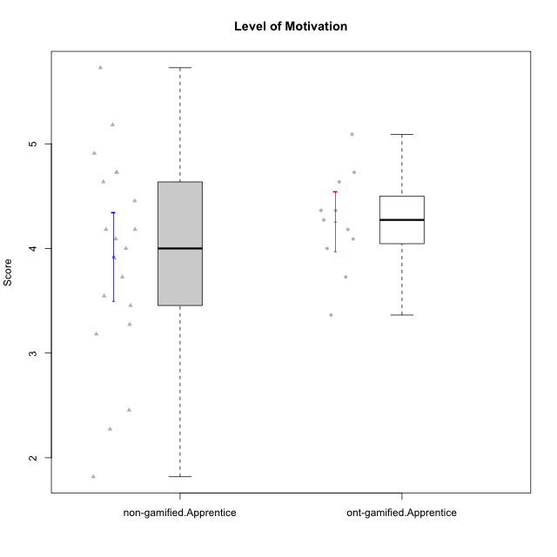

Student's t-Test data
UserID | NroUSP | Type | CLGroup | CLRole | PlayerRole | Item01A | Item04A | Item05A | Item12A | Item19A | Item20A | Item09S | Item11S | Item14S | Item24S | Item25S | Attention | Satisfaction | Level of Motivation
10169 | 10377538 | non-gamified | Grupo Team 10 | Apprentice |  | 2 | 2 | 2 | 2 | 2 | 2 | 1 | 2 | 2 | 3 | 7 | 2 | 3 | 2.4545454545
10170 | 10260351 | non-gamified | Grupo Team 6 | Apprentice |  | 4 | 5 | 4 | 5 | 5 | 3 | 4 | 5 | 4 | 6 | 6 | 4.3333333333 | 5 | 4.6363636364
10174 | 10276852 | non-gamified | Grupo Team 1 | Apprentice |  | 4 | 4 | 4 | 3 | 1 | 3 | 2 | 4 | 2 | 4 | 4 | 3.1666666667 | 3.2 | 3.1818181818
10176 | 10276949 | non-gamified | Grupo Team 9 | Apprentice |  | 3 | 3 | 3 | 3 | 3 | 3 | 3 | 6 | 3 | 3 | 3 | 3 | 3.6 | 3.2727272727
10178 | 8656201 | non-gamified | Grupo Team 11 | Apprentice |  | 4 | 5 | 5 | 5 | 5 | 5 | 4 | 5 | 4 | 5 | 5 | 4.8333333333 | 4.6 | 4.7272727273
10179 | 10310759 | ont-gamified | Grupo Tosskor | Apprentice | Yee Achiever | 4 | 4 | 4 | 4 | 4 | 4 | 2 | 4 | 3 | 6 | 6 | 4 | 4.2 | 4.0909090909
10181 | 10276866 | non-gamified | Grupo Team 7 | Apprentice |  | 5 | 5 | 4 | 5 | 1 | 4 | 3 | 5 | 5 | 3 | 3 | 4 | 3.8 | 3.9090909091
10183 | 10352030 | non-gamified | Grupo Belos | Apprentice | Yee Socializer | 4 | 2 | 3 | 3 | 5 | 2 | 3 | 3 | 4 | 5 | 4 | 3.1666666667 | 3.8 | 3.4545454545
10186 | 10310551 | non-gamified | Grupo Team 5 | Apprentice |  | 1 | 4 | 6 | 3 | 1 | 4 | 4 | 3 | 5 | 7 | 7 | 3.1666666667 | 5.2 | 4.0909090909
10187 | 9790781 | ont-gamified | Grupo Razorg | Apprentice | Yee Achiever | 6 | 4 | 4 | 4 | 4 | 5 | 5 | 4 | 5 | 5 | 5 | 4.5 | 4.8 | 4.6363636364
10190 | 10276907 | non-gamified | Grupo Team 8 | Apprentice |  | 3 | 4 | 2 | 1 | 1 | 1 | 4 | 6 | 7 | 7 | 5 | 2 | 5.8 | 3.7272727273
10196 | 10310655 | non-gamified | Grupo Team 5 | Apprentice |  | 4 | 1 | 3 | 4 | 4 | 4 | 4 | 4 | 5 | 2 | 4 | 3.3333333333 | 3.8 | 3.5454545455
10200 | 9795272 | non-gamified | Grupo Team 4 | Apprentice |  | 5 | 5 | 3 | 4 | 4 | 4 | 4 | 4 | 5 | 6 | 5 | 4.1666666667 | 4.8 | 4.4545454545
10202 | 10277036 | ont-gamified | Grupo Paldira | Apprentice | Yee Achiever | 5 | 4 | 4 | 4 | 3 | 4 | 4 | 5 | 4 | 5 | 5 | 4 | 4.6 | 4.2727272727
10210 | 10277015 | ont-gamified | Grupo Losvakai | Apprentice | Yee Achiever | 4 | 4 | 6 | 4 | 2 | 3 | 2 | 4 | 6 | 3 | 3 | 3.8333333333 | 3.6 | 3.7272727273
10212 | 9065750 | ont-gamified | Grupo Ellaru | Apprentice | Yee Socializer | 2 | 4 | 2 | 3 | 4 | 3 | 3 | 5 | 2 | 4 | 5 | 3 | 3.8 | 3.3636363636
10214 | 10277022 | ont-gamified | Grupo Koil | Apprentice | Yee Achiever | 4 | 5 | 5 | 4 | 5 | 4 | 3 | 4 | 4 | 5 | 5 | 4.5 | 4.2 | 4.3636363636
10215 | 9285227 | non-gamified | Grupo Team 7 | Apprentice |  | 6 | 4 | 3 | 3 | 4 | 4 | 7 | 4 | 5 | 6 | 6 | 4 | 5.6 | 4.7272727273
10218 | 9842913 | non-gamified | Grupo Team 10 | Apprentice |  | 4 | 2 | 4 | 4 | 2 | 2 | 4 | 5 | 5 | 7 | 7 | 3 | 5.6 | 4.1818181818
10220 | 9760151 | non-gamified | Grupo Team 4 | Apprentice |  | 1 | 1 | 1 | 1 | 1 | 4 | 7 | 7 | 7 | 7 | 7 | 1.5 | 7 | 4
10221 | 9082496 | non-gamified | Grupo Team 3 | Apprentice |  | 4 | 2 | 3 | 3 | 4 | 4 | 4 | 6 | 3 | 4 | 6 | 3.3333333333 | 4.6 | 3.9090909091
10224 | 9368772 | non-gamified | Grupo Team 9 | Apprentice |  | 4 | 7 | 5 | 5 | 5 | 5 | 4 | 4 | 6 | 6 | 6 | 5.1666666667 | 5.2 | 5.1818181818
10226 | 10310342 | ont-gamified | Grupo Yeka | Apprentice | Yee Socializer | 6 | 4 | 3 | 6 | 5 | 5 | 4 | 6 | 5 | 6 | 6 | 4.8333333333 | 5.4 | 5.0909090909
10227 | 9274382 | non-gamified | Grupo Team 2 | Apprentice |  | 7 | 5 | 4 | 6 | 5 | 6 | 6 | 6 | 6 | 6 | 6 | 5.5 | 6 | 5.7272727273
10228 | 10310492 | ont-gamified | Grupo Losvakai | Apprentice | Yee Achiever | 4 | 4 | 4 | 5 | 4 | 4 | 4 | 4 | 4 | 5 | 4 | 4.1666666667 | 4.2 | 4.1818181818
10232 | 10276974 | non-gamified | Grupo Team 3 | Apprentice |  | 5 | 5 | 5 | 5 | 5 | 5 | 5 | 6 | 5 | 7 | 1 | 5 | 4.8 | 4.9090909091
10233 | 9805320 | ont-gamified | Grupo Tosskor | Apprentice | Yee Achiever | 2 | 3 | 5 | 4 | 6 | 7 | 1 | 4 | 2 | 6 | 4 | 4.5 | 3.4 | 4
10234 | 10310676 | non-gamified | Grupo Team 6 | Apprentice |  | 4 | 4 | 5 | 4 | 6 | 6 | 2 | 4 | 3 | 4 | 4 | 4.8333333333 | 3.4 | 4.1818181818
10237 | 10377688 | ont-gamified | Grupo Ellaru | Apprentice | Yee Socializer | 4 | 3 | 6 | 4 | 4 | 3 | 4 | 5 | 5 | 5 | 5 | 4 | 4.8 | 4.3636363636
10238 | 10276953 | ont-gamified | Grupo Belos | Apprentice | Yee Socializer | 4 | 4 | 4 | 5 | 5 | 4 | 5 | 5 | 5 | 5 | 6 | 4.3333333333 | 5.2 | 4.7272727273
10240 | 10276654 | non-gamified | Grupo Team 8 | Apprentice |  | 2 | 2 | 2 | 2 | 2 | 2 | 2 | 4 | 2 | 3 | 2 | 2 | 2.6 | 2.2727272727
10242 | 9424506 | non-gamified | Grupo Team 11 | Apprentice |  | 1 | 1 | 1 | 1 | 1 | 1 | 1 | 1 | 1 | 7 | 4 | 1 | 2.8 | 1.8181818182

Type_CLRole_3
Student's t-Test for Level of Motivation in Type:CLRole between non-gamified.Apprentice:ont-gamified.Master

Student's t-Test results
Alternative hypothesis: less
Group | N | Mean | Mean.Difference | Std.deviation | Std.error | CI.lower | CI.upper | df | t.value | p.value | g | magnitude
non-gamified.Apprentice | 21 | 3.9220779221 | -0.81818181818 | 0.96820773089 | 0.21128024834 | 3.4995174254 | 4.3446384188 | 18.461538462 | -2.7382678524 | 0.0066474060518 | -0.89190661939 | large
ont-gamified.Master | 7 | 4.7402597403 | 0.81818181818 | 0.55899499406 | 0.21128024834 | 4.3176992436 | 5.1628202369 | 18.461538462 | -2.7382678524 | 0.0066474060518 | -0.89190661939 | large
Alternative hypothesis: greater
Group | N | Mean | Mean.Difference | Std.deviation | Std.error | CI.lower | CI.upper | df | t.value | p.value | g | magnitude
non-gamified.Apprentice | 21 | 3.9220779221 | -0.81818181818 | 0.96820773089 | 0.21128024834 | 3.4995174254 | 4.3446384188 | 18.461538462 | -2.7382678524 | 0.99335259395 | -0.89190661939 | large
ont-gamified.Master | 7 | 4.7402597403 | 0.81818181818 | 0.55899499406 | 0.21128024834 | 4.3176992436 | 5.1628202369 | 18.461538462 | -2.7382678524 | 0.99335259395 | -0.89190661939 | large
Alternative hypothesis: two.sided
Group | N | Mean | Mean.Difference | Std.deviation | Std.error | CI.lower | CI.upper | df | t.value | p.value | g | magnitude
non-gamified.Apprentice | 21 | 3.9220779221 | -0.81818181818 | 0.96820773089 | 0.21128024834 | 3.4995174254 | 4.3446384188 | 18.461538462 | -2.7382678524 | 0.013294812104 | -0.89190661939 | large
ont-gamified.Master | 7 | 4.7402597403 | 0.81818181818 | 0.55899499406 | 0.21128024834 | 4.3176992436 | 5.1628202369 | 18.461538462 | -2.7382678524 | 0.013294812104 | -0.89190661939 | large

Box plots for Student's t-Test
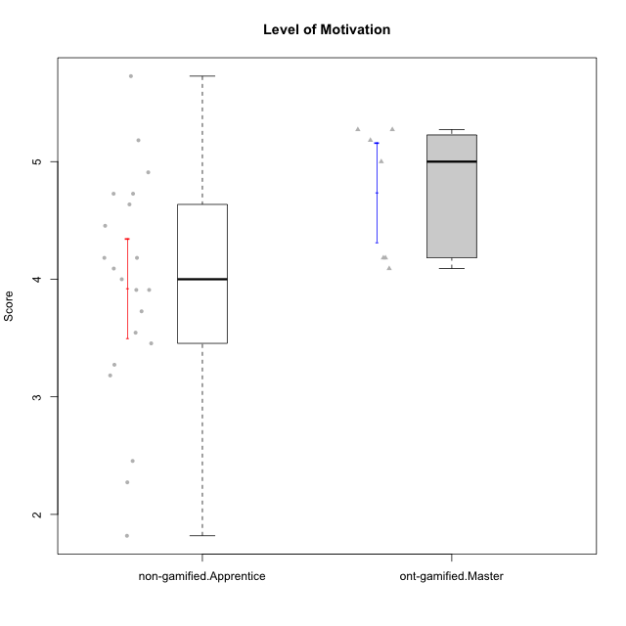

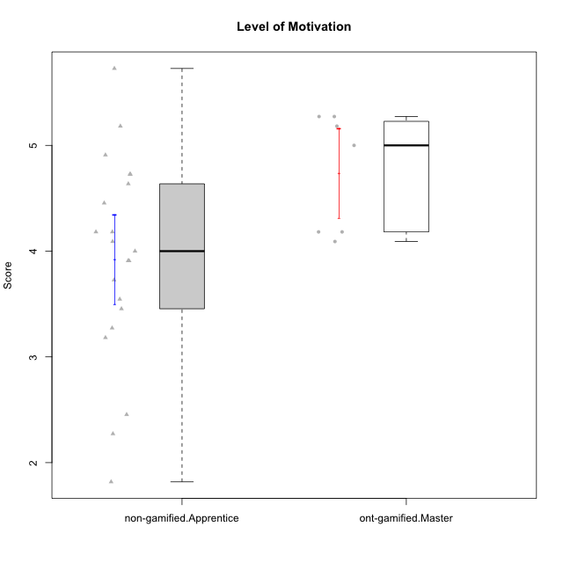

Student's t-Test data
UserID | NroUSP | Type | CLGroup | CLRole | PlayerRole | Item01A | Item04A | Item05A | Item12A | Item19A | Item20A | Item09S | Item11S | Item14S | Item24S | Item25S | Attention | Satisfaction | Level of Motivation
10169 | 10377538 | non-gamified | Grupo Team 10 | Apprentice |  | 2 | 2 | 2 | 2 | 2 | 2 | 1 | 2 | 2 | 3 | 7 | 2 | 3 | 2.4545454545
10170 | 10260351 | non-gamified | Grupo Team 6 | Apprentice |  | 4 | 5 | 4 | 5 | 5 | 3 | 4 | 5 | 4 | 6 | 6 | 4.3333333333 | 5 | 4.6363636364
10171 | 698531 | ont-gamified | Grupo Losvakai | Master | Yee Achiever | 5 | 5 | 6 | 5 | 5 | 4 | 4 | 5 | 6 | 6 | 7 | 5 | 5.6 | 5.2727272727
10172 | 10273971 | ont-gamified | Grupo Koil | Master | Yee Achiever | 6 | 6 | 6 | 4 | 5 | 5 | 4 | 5 | 4 | 5 | 5 | 5.3333333333 | 4.6 | 5
10174 | 10276852 | non-gamified | Grupo Team 1 | Apprentice |  | 4 | 4 | 4 | 3 | 1 | 3 | 2 | 4 | 2 | 4 | 4 | 3.1666666667 | 3.2 | 3.1818181818
10176 | 10276949 | non-gamified | Grupo Team 9 | Apprentice |  | 3 | 3 | 3 | 3 | 3 | 3 | 3 | 6 | 3 | 3 | 3 | 3 | 3.6 | 3.2727272727
10178 | 8656201 | non-gamified | Grupo Team 11 | Apprentice |  | 4 | 5 | 5 | 5 | 5 | 5 | 4 | 5 | 4 | 5 | 5 | 4.8333333333 | 4.6 | 4.7272727273
10181 | 10276866 | non-gamified | Grupo Team 7 | Apprentice |  | 5 | 5 | 4 | 5 | 1 | 4 | 3 | 5 | 5 | 3 | 3 | 4 | 3.8 | 3.9090909091
10183 | 10352030 | non-gamified | Grupo Belos | Apprentice | Yee Socializer | 4 | 2 | 3 | 3 | 5 | 2 | 3 | 3 | 4 | 5 | 4 | 3.1666666667 | 3.8 | 3.4545454545
10185 | 10276960 | ont-gamified | Grupo Tosskor | Master | Yee Achiever | 4 | 5 | 5 | 4 | 5 | 3 | 3 | 4 | 4 | 4 | 4 | 4.3333333333 | 3.8 | 4.0909090909
10186 | 10310551 | non-gamified | Grupo Team 5 | Apprentice |  | 1 | 4 | 6 | 3 | 1 | 4 | 4 | 3 | 5 | 7 | 7 | 3.1666666667 | 5.2 | 4.0909090909
10188 | 10276995 | ont-gamified | Grupo Paldira | Master | Yee Achiever | 4 | 5 | 4 | 5 | 3 | 4 | 4 | 4 | 4 | 5 | 4 | 4.1666666667 | 4.2 | 4.1818181818
10190 | 10276907 | non-gamified | Grupo Team 8 | Apprentice |  | 3 | 4 | 2 | 1 | 1 | 1 | 4 | 6 | 7 | 7 | 5 | 2 | 5.8 | 3.7272727273
10196 | 10310655 | non-gamified | Grupo Team 5 | Apprentice |  | 4 | 1 | 3 | 4 | 4 | 4 | 4 | 4 | 5 | 2 | 4 | 3.3333333333 | 3.8 | 3.5454545455
10200 | 9795272 | non-gamified | Grupo Team 4 | Apprentice |  | 5 | 5 | 3 | 4 | 4 | 4 | 4 | 4 | 5 | 6 | 5 | 4.1666666667 | 4.8 | 4.4545454545
10208 | 10276932 | ont-gamified | Grupo Yeka | Master | Yee Socializer | 4 | 3 | 5 | 3 | 5 | 4 | 4 | 5 | 4 | 5 | 4 | 4 | 4.4 | 4.1818181818
10215 | 9285227 | non-gamified | Grupo Team 7 | Apprentice |  | 6 | 4 | 3 | 3 | 4 | 4 | 7 | 4 | 5 | 6 | 6 | 4 | 5.6 | 4.7272727273
10216 | 10276720 | ont-gamified | Grupo Ellaru | Master | Yee Socializer | 2 | 5 | 7 | 3 | 7 | 2 | 4 | 7 | 6 | 7 | 7 | 4.3333333333 | 6.2 | 5.1818181818
10217 | 9805341 | ont-gamified | Grupo Belos | Master | Yee Socializer | 5 | 6 | 6 | 4 | 4 | 5 | 4 | 6 | 6 | 6 | 6 | 5 | 5.6 | 5.2727272727
10218 | 9842913 | non-gamified | Grupo Team 10 | Apprentice |  | 4 | 2 | 4 | 4 | 2 | 2 | 4 | 5 | 5 | 7 | 7 | 3 | 5.6 | 4.1818181818
10220 | 9760151 | non-gamified | Grupo Team 4 | Apprentice |  | 1 | 1 | 1 | 1 | 1 | 4 | 7 | 7 | 7 | 7 | 7 | 1.5 | 7 | 4
10221 | 9082496 | non-gamified | Grupo Team 3 | Apprentice |  | 4 | 2 | 3 | 3 | 4 | 4 | 4 | 6 | 3 | 4 | 6 | 3.3333333333 | 4.6 | 3.9090909091
10224 | 9368772 | non-gamified | Grupo Team 9 | Apprentice |  | 4 | 7 | 5 | 5 | 5 | 5 | 4 | 4 | 6 | 6 | 6 | 5.1666666667 | 5.2 | 5.1818181818
10227 | 9274382 | non-gamified | Grupo Team 2 | Apprentice |  | 7 | 5 | 4 | 6 | 5 | 6 | 6 | 6 | 6 | 6 | 6 | 5.5 | 6 | 5.7272727273
10232 | 10276974 | non-gamified | Grupo Team 3 | Apprentice |  | 5 | 5 | 5 | 5 | 5 | 5 | 5 | 6 | 5 | 7 | 1 | 5 | 4.8 | 4.9090909091
10234 | 10310676 | non-gamified | Grupo Team 6 | Apprentice |  | 4 | 4 | 5 | 4 | 6 | 6 | 2 | 4 | 3 | 4 | 4 | 4.8333333333 | 3.4 | 4.1818181818
10240 | 10276654 | non-gamified | Grupo Team 8 | Apprentice |  | 2 | 2 | 2 | 2 | 2 | 2 | 2 | 4 | 2 | 3 | 2 | 2 | 2.6 | 2.2727272727
10242 | 9424506 | non-gamified | Grupo Team 11 | Apprentice |  | 1 | 1 | 1 | 1 | 1 | 1 | 1 | 1 | 1 | 7 | 4 | 1 | 2.8 | 1.8181818182

Type_CLRole_4
Student's t-Test for Level of Motivation in Type:CLRole between non-gamified.Master:ont-gamified.Apprentice

Student's t-Test results
Alternative hypothesis: less
Group | N | Mean | Mean.Difference | Std.deviation | Std.error | CI.lower | CI.upper | df | t.value | p.value | g | magnitude
non-gamified.Master | 8 | 4.6022727273 | 0.34607438017 | 0.99578509604 | 0.35206319701 | 3.8981463333 | 5.3063991213 | 9.3349166894 | 0.91038419018 | 0.80723798948 | 0.44930829877 | small
ont-gamified.Apprentice | 11 | 4.2561983471 | -0.34607438017 | 0.4755478473 | 0.14338307085 | 3.9694322054 | 4.5429644888 | 9.3349166894 | 0.91038419018 | 0.80723798948 | 0.44930829877 | small
Alternative hypothesis: greater
Group | N | Mean | Mean.Difference | Std.deviation | Std.error | CI.lower | CI.upper | df | t.value | p.value | g | magnitude
non-gamified.Master | 8 | 4.6022727273 | 0.34607438017 | 0.99578509604 | 0.35206319701 | 3.8981463333 | 5.3063991213 | 9.3349166894 | 0.91038419018 | 0.19276201052 | 0.44930829877 | small
ont-gamified.Apprentice | 11 | 4.2561983471 | -0.34607438017 | 0.4755478473 | 0.14338307085 | 3.9694322054 | 4.5429644888 | 9.3349166894 | 0.91038419018 | 0.19276201052 | 0.44930829877 | small
Alternative hypothesis: two.sided
Group | N | Mean | Mean.Difference | Std.deviation | Std.error | CI.lower | CI.upper | df | t.value | p.value | g | magnitude
non-gamified.Master | 8 | 4.6022727273 | 0.34607438017 | 0.99578509604 | 0.35206319701 | 3.8981463333 | 5.3063991213 | 9.3349166894 | 0.91038419018 | 0.38552402104 | 0.44930829877 | small
ont-gamified.Apprentice | 11 | 4.2561983471 | -0.34607438017 | 0.4755478473 | 0.14338307085 | 3.9694322054 | 4.5429644888 | 9.3349166894 | 0.91038419018 | 0.38552402104 | 0.44930829877 | small

Box plots for Student's t-Test
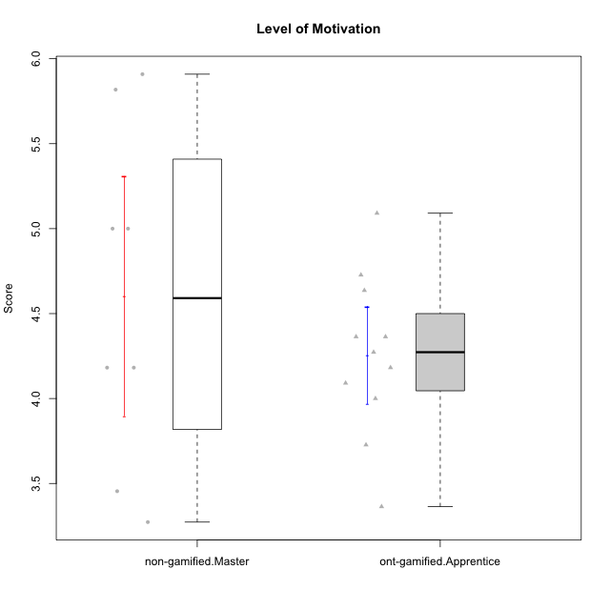

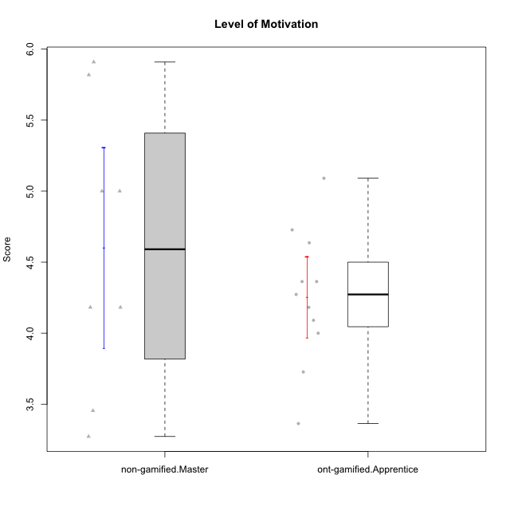

Student's t-Test data
UserID | NroUSP | Type | CLGroup | CLRole | PlayerRole | Item01A | Item04A | Item05A | Item12A | Item19A | Item20A | Item09S | Item11S | Item14S | Item24S | Item25S | Attention | Satisfaction | Level of Motivation
10175 | 10310700 | non-gamified | Grupo Team 6 | Master |  | 7 | 5 | 6 | 7 | 6 | 4 | 6 | 6 | 5 | 6 | 7 | 5.8333333333 | 6 | 5.9090909091
10179 | 10310759 | ont-gamified | Grupo Tosskor | Apprentice | Yee Achiever | 4 | 4 | 4 | 4 | 4 | 4 | 2 | 4 | 3 | 6 | 6 | 4 | 4.2 | 4.0909090909
10184 | 10276675 | non-gamified | Grupo Team 7 | Master |  | 5 | 6 | 6 | 6 | 4 | 6 | 6 | 6 | 6 | 7 | 6 | 5.5 | 6.2 | 5.8181818182
10187 | 9790781 | ont-gamified | Grupo Razorg | Apprentice | Yee Achiever | 6 | 4 | 4 | 4 | 4 | 5 | 5 | 4 | 5 | 5 | 5 | 4.5 | 4.8 | 4.6363636364
10193 | 10276762 | non-gamified | Grupo Team 2 | Master |  | 3 | 3 | 6 | 4 | 4 | 3 | 3 | 1 | 4 | 4 | 3 | 3.8333333333 | 3 | 3.4545454545
10197 | 10276661 | non-gamified | Grupo Team 11 | Master |  | 7 | 5 | 4 | 4 | 2 | 4 | 4 | 3 | 3 | 4 | 6 | 4.3333333333 | 4 | 4.1818181818
10201 | 10276928 | non-gamified | Grupo Team 10 | Master |  | 4 | 4 | 5 | 5 | 5 | 5 | 3 | 6 | 6 | 6 | 6 | 4.6666666667 | 5.4 | 5
10202 | 10277036 | ont-gamified | Grupo Paldira | Apprentice | Yee Achiever | 5 | 4 | 4 | 4 | 3 | 4 | 4 | 5 | 4 | 5 | 5 | 4 | 4.6 | 4.2727272727
10206 | 10310721 | non-gamified | Grupo Team 9 | Master |  | 4 | 5 | 3 | 3 | 4 | 3 | 4 | 4 | 5 | 6 | 5 | 3.6666666667 | 4.8 | 4.1818181818
10210 | 10277015 | ont-gamified | Grupo Losvakai | Apprentice | Yee Achiever | 4 | 4 | 6 | 4 | 2 | 3 | 2 | 4 | 6 | 3 | 3 | 3.8333333333 | 3.6 | 3.7272727273
10212 | 9065750 | ont-gamified | Grupo Ellaru | Apprentice | Yee Socializer | 2 | 4 | 2 | 3 | 4 | 3 | 3 | 5 | 2 | 4 | 5 | 3 | 3.8 | 3.3636363636
10213 | 10277040 | non-gamified | Grupo Team 8 | Master |  | 4 | 3 | 7 | 5 | 6 | 5 | 2 | 4 | 6 | 6 | 7 | 5 | 5 | 5
10214 | 10277022 | ont-gamified | Grupo Koil | Apprentice | Yee Achiever | 4 | 5 | 5 | 4 | 5 | 4 | 3 | 4 | 4 | 5 | 5 | 4.5 | 4.2 | 4.3636363636
10226 | 10310342 | ont-gamified | Grupo Yeka | Apprentice | Yee Socializer | 6 | 4 | 3 | 6 | 5 | 5 | 4 | 6 | 5 | 6 | 6 | 4.8333333333 | 5.4 | 5.0909090909
10228 | 10310492 | ont-gamified | Grupo Losvakai | Apprentice | Yee Achiever | 4 | 4 | 4 | 5 | 4 | 4 | 4 | 4 | 4 | 5 | 4 | 4.1666666667 | 4.2 | 4.1818181818
10231 | 10276911 | non-gamified | Grupo Team 4 | Master |  | 3 | 4 | 4 | 2 | 2 | 2 | 1 | 3 | 4 | 6 | 5 | 2.8333333333 | 3.8 | 3.2727272727
10233 | 9805320 | ont-gamified | Grupo Tosskor | Apprentice | Yee Achiever | 2 | 3 | 5 | 4 | 6 | 7 | 1 | 4 | 2 | 6 | 4 | 4.5 | 3.4 | 4
10237 | 10377688 | ont-gamified | Grupo Ellaru | Apprentice | Yee Socializer | 4 | 3 | 6 | 4 | 4 | 3 | 4 | 5 | 5 | 5 | 5 | 4 | 4.8 | 4.3636363636
10238 | 10276953 | ont-gamified | Grupo Belos | Apprentice | Yee Socializer | 4 | 4 | 4 | 5 | 5 | 4 | 5 | 5 | 5 | 5 | 6 | 4.3333333333 | 5.2 | 4.7272727273

Type_CLRole_5
Student's t-Test for Level of Motivation in Type:CLRole between non-gamified.Master:ont-gamified.Master

Student's t-Test results
Alternative hypothesis: less
Group | N | Mean | Mean.Difference | Std.deviation | Std.error | CI.lower | CI.upper | df | t.value | p.value | g | magnitude
non-gamified.Master | 8 | 4.6022727273 | -0.13798701299 | 0.99578509604 | 0.35206319701 | 3.8981463333 | 5.3063991213 | 11.247901254 | -0.33606639933 | 0.3715032854 | -0.15770517526 | negligible
ont-gamified.Master | 7 | 4.7402597403 | 0.13798701299 | 0.55899499406 | 0.21128024834 | 4.3176992436 | 5.1628202369 | 11.247901254 | -0.33606639933 | 0.3715032854 | -0.15770517526 | negligible
Alternative hypothesis: greater
Group | N | Mean | Mean.Difference | Std.deviation | Std.error | CI.lower | CI.upper | df | t.value | p.value | g | magnitude
non-gamified.Master | 8 | 4.6022727273 | -0.13798701299 | 0.99578509604 | 0.35206319701 | 3.8981463333 | 5.3063991213 | 11.247901254 | -0.33606639933 | 0.6284967146 | -0.15770517526 | negligible
ont-gamified.Master | 7 | 4.7402597403 | 0.13798701299 | 0.55899499406 | 0.21128024834 | 4.3176992436 | 5.1628202369 | 11.247901254 | -0.33606639933 | 0.6284967146 | -0.15770517526 | negligible
Alternative hypothesis: two.sided
Group | N | Mean | Mean.Difference | Std.deviation | Std.error | CI.lower | CI.upper | df | t.value | p.value | g | magnitude
non-gamified.Master | 8 | 4.6022727273 | -0.13798701299 | 0.99578509604 | 0.35206319701 | 3.8981463333 | 5.3063991213 | 11.247901254 | -0.33606639933 | 0.74300657081 | -0.15770517526 | negligible
ont-gamified.Master | 7 | 4.7402597403 | 0.13798701299 | 0.55899499406 | 0.21128024834 | 4.3176992436 | 5.1628202369 | 11.247901254 | -0.33606639933 | 0.74300657081 | -0.15770517526 | negligible

Box plots for Student's t-Test
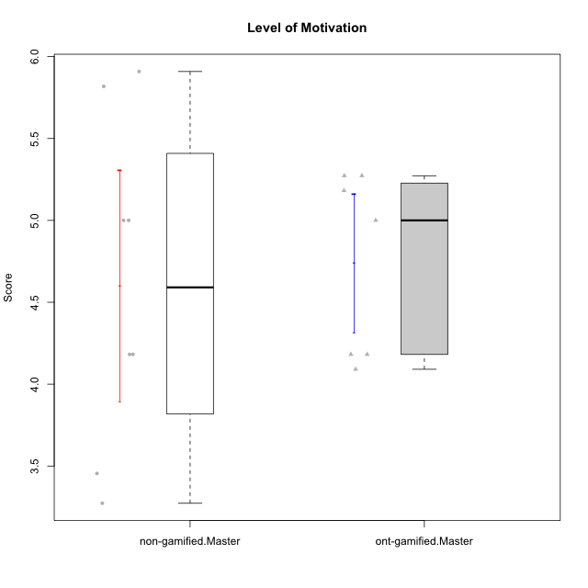

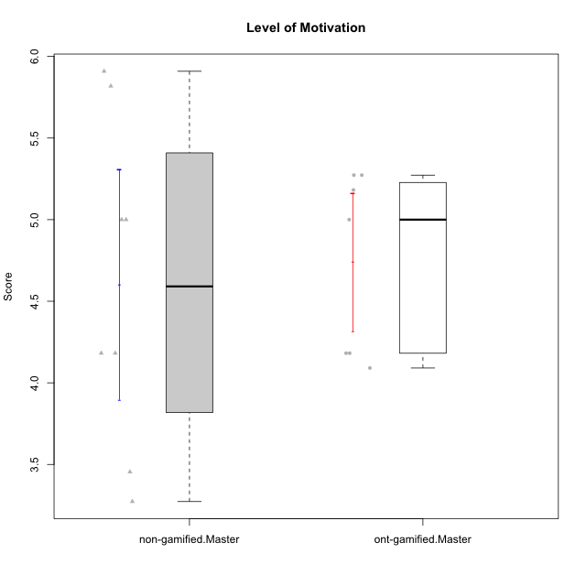

Student's t-Test data
UserID | NroUSP | Type | CLGroup | CLRole | PlayerRole | Item01A | Item04A | Item05A | Item12A | Item19A | Item20A | Item09S | Item11S | Item14S | Item24S | Item25S | Attention | Satisfaction | Level of Motivation
10171 | 698531 | ont-gamified | Grupo Losvakai | Master | Yee Achiever | 5 | 5 | 6 | 5 | 5 | 4 | 4 | 5 | 6 | 6 | 7 | 5 | 5.6 | 5.2727272727
10172 | 10273971 | ont-gamified | Grupo Koil | Master | Yee Achiever | 6 | 6 | 6 | 4 | 5 | 5 | 4 | 5 | 4 | 5 | 5 | 5.3333333333 | 4.6 | 5
10175 | 10310700 | non-gamified | Grupo Team 6 | Master |  | 7 | 5 | 6 | 7 | 6 | 4 | 6 | 6 | 5 | 6 | 7 | 5.8333333333 | 6 | 5.9090909091
10184 | 10276675 | non-gamified | Grupo Team 7 | Master |  | 5 | 6 | 6 | 6 | 4 | 6 | 6 | 6 | 6 | 7 | 6 | 5.5 | 6.2 | 5.8181818182
10185 | 10276960 | ont-gamified | Grupo Tosskor | Master | Yee Achiever | 4 | 5 | 5 | 4 | 5 | 3 | 3 | 4 | 4 | 4 | 4 | 4.3333333333 | 3.8 | 4.0909090909
10188 | 10276995 | ont-gamified | Grupo Paldira | Master | Yee Achiever | 4 | 5 | 4 | 5 | 3 | 4 | 4 | 4 | 4 | 5 | 4 | 4.1666666667 | 4.2 | 4.1818181818
10193 | 10276762 | non-gamified | Grupo Team 2 | Master |  | 3 | 3 | 6 | 4 | 4 | 3 | 3 | 1 | 4 | 4 | 3 | 3.8333333333 | 3 | 3.4545454545
10197 | 10276661 | non-gamified | Grupo Team 11 | Master |  | 7 | 5 | 4 | 4 | 2 | 4 | 4 | 3 | 3 | 4 | 6 | 4.3333333333 | 4 | 4.1818181818
10201 | 10276928 | non-gamified | Grupo Team 10 | Master |  | 4 | 4 | 5 | 5 | 5 | 5 | 3 | 6 | 6 | 6 | 6 | 4.6666666667 | 5.4 | 5
10206 | 10310721 | non-gamified | Grupo Team 9 | Master |  | 4 | 5 | 3 | 3 | 4 | 3 | 4 | 4 | 5 | 6 | 5 | 3.6666666667 | 4.8 | 4.1818181818
10208 | 10276932 | ont-gamified | Grupo Yeka | Master | Yee Socializer | 4 | 3 | 5 | 3 | 5 | 4 | 4 | 5 | 4 | 5 | 4 | 4 | 4.4 | 4.1818181818
10213 | 10277040 | non-gamified | Grupo Team 8 | Master |  | 4 | 3 | 7 | 5 | 6 | 5 | 2 | 4 | 6 | 6 | 7 | 5 | 5 | 5
10216 | 10276720 | ont-gamified | Grupo Ellaru | Master | Yee Socializer | 2 | 5 | 7 | 3 | 7 | 2 | 4 | 7 | 6 | 7 | 7 | 4.3333333333 | 6.2 | 5.1818181818
10217 | 9805341 | ont-gamified | Grupo Belos | Master | Yee Socializer | 5 | 6 | 6 | 4 | 4 | 5 | 4 | 6 | 6 | 6 | 6 | 5 | 5.6 | 5.2727272727
10231 | 10276911 | non-gamified | Grupo Team 4 | Master |  | 3 | 4 | 4 | 2 | 2 | 2 | 1 | 3 | 4 | 6 | 5 | 2.8333333333 | 3.8 | 3.2727272727

Type_CLRole_6
Student's t-Test for Level of Motivation in Type:CLRole between ont-gamified.Apprentice:ont-gamified.Master

Student's t-Test results
Alternative hypothesis: less
Group | N | Mean | Mean.Difference | Std.deviation | Std.error | CI.lower | CI.upper | df | t.value | p.value | g | magnitude
ont-gamified.Apprentice | 11 | 4.2561983471 | -0.48406139315 | 0.4755478473 | 0.14338307085 | 3.9694322054 | 4.5429644888 | 11.354265077 | -1.8957590965 | 0.041860175302 | -0.90670205532 | large
ont-gamified.Master | 7 | 4.7402597403 | 0.48406139315 | 0.55899499406 | 0.21128024834 | 4.3176992436 | 5.1628202369 | 11.354265077 | -1.8957590965 | 0.041860175302 | -0.90670205532 | large
Alternative hypothesis: greater
Group | N | Mean | Mean.Difference | Std.deviation | Std.error | CI.lower | CI.upper | df | t.value | p.value | g | magnitude
ont-gamified.Apprentice | 11 | 4.2561983471 | -0.48406139315 | 0.4755478473 | 0.14338307085 | 3.9694322054 | 4.5429644888 | 11.354265077 | -1.8957590965 | 0.9581398247 | -0.90670205532 | large
ont-gamified.Master | 7 | 4.7402597403 | 0.48406139315 | 0.55899499406 | 0.21128024834 | 4.3176992436 | 5.1628202369 | 11.354265077 | -1.8957590965 | 0.9581398247 | -0.90670205532 | large
Alternative hypothesis: two.sided
Group | N | Mean | Mean.Difference | Std.deviation | Std.error | CI.lower | CI.upper | df | t.value | p.value | g | magnitude
ont-gamified.Apprentice | 11 | 4.2561983471 | -0.48406139315 | 0.4755478473 | 0.14338307085 | 3.9694322054 | 4.5429644888 | 11.354265077 | -1.8957590965 | 0.083720350605 | -0.90670205532 | large
ont-gamified.Master | 7 | 4.7402597403 | 0.48406139315 | 0.55899499406 | 0.21128024834 | 4.3176992436 | 5.1628202369 | 11.354265077 | -1.8957590965 | 0.083720350605 | -0.90670205532 | large

Box plots for Student's t-Test
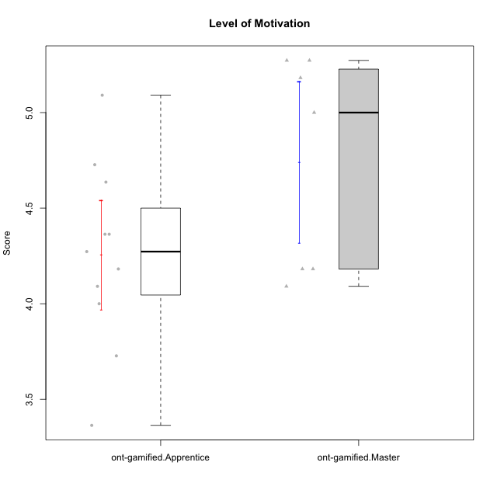

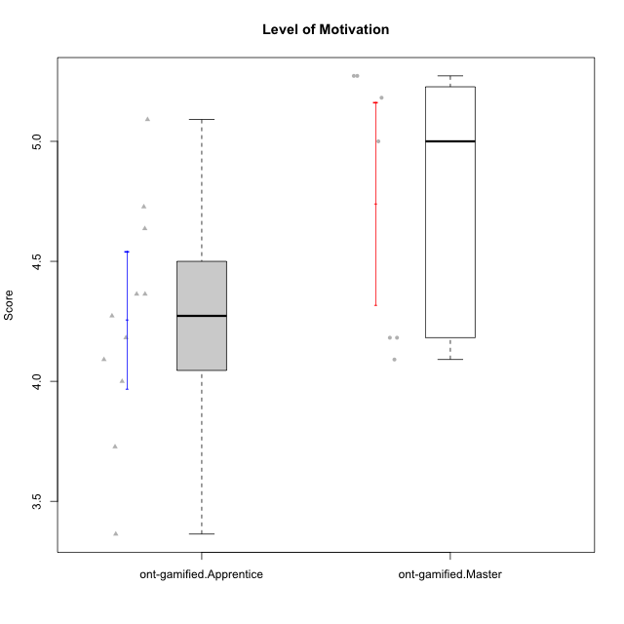

Student's t-Test data
UserID | NroUSP | Type | CLGroup | CLRole | PlayerRole | Item01A | Item04A | Item05A | Item12A | Item19A | Item20A | Item09S | Item11S | Item14S | Item24S | Item25S | Attention | Satisfaction | Level of Motivation
10171 | 698531 | ont-gamified | Grupo Losvakai | Master | Yee Achiever | 5 | 5 | 6 | 5 | 5 | 4 | 4 | 5 | 6 | 6 | 7 | 5 | 5.6 | 5.2727272727
10172 | 10273971 | ont-gamified | Grupo Koil | Master | Yee Achiever | 6 | 6 | 6 | 4 | 5 | 5 | 4 | 5 | 4 | 5 | 5 | 5.3333333333 | 4.6 | 5
10179 | 10310759 | ont-gamified | Grupo Tosskor | Apprentice | Yee Achiever | 4 | 4 | 4 | 4 | 4 | 4 | 2 | 4 | 3 | 6 | 6 | 4 | 4.2 | 4.0909090909
10185 | 10276960 | ont-gamified | Grupo Tosskor | Master | Yee Achiever | 4 | 5 | 5 | 4 | 5 | 3 | 3 | 4 | 4 | 4 | 4 | 4.3333333333 | 3.8 | 4.0909090909
10187 | 9790781 | ont-gamified | Grupo Razorg | Apprentice | Yee Achiever | 6 | 4 | 4 | 4 | 4 | 5 | 5 | 4 | 5 | 5 | 5 | 4.5 | 4.8 | 4.6363636364
10188 | 10276995 | ont-gamified | Grupo Paldira | Master | Yee Achiever | 4 | 5 | 4 | 5 | 3 | 4 | 4 | 4 | 4 | 5 | 4 | 4.1666666667 | 4.2 | 4.1818181818
10202 | 10277036 | ont-gamified | Grupo Paldira | Apprentice | Yee Achiever | 5 | 4 | 4 | 4 | 3 | 4 | 4 | 5 | 4 | 5 | 5 | 4 | 4.6 | 4.2727272727
10208 | 10276932 | ont-gamified | Grupo Yeka | Master | Yee Socializer | 4 | 3 | 5 | 3 | 5 | 4 | 4 | 5 | 4 | 5 | 4 | 4 | 4.4 | 4.1818181818
10210 | 10277015 | ont-gamified | Grupo Losvakai | Apprentice | Yee Achiever | 4 | 4 | 6 | 4 | 2 | 3 | 2 | 4 | 6 | 3 | 3 | 3.8333333333 | 3.6 | 3.7272727273
10212 | 9065750 | ont-gamified | Grupo Ellaru | Apprentice | Yee Socializer | 2 | 4 | 2 | 3 | 4 | 3 | 3 | 5 | 2 | 4 | 5 | 3 | 3.8 | 3.3636363636
10214 | 10277022 | ont-gamified | Grupo Koil | Apprentice | Yee Achiever | 4 | 5 | 5 | 4 | 5 | 4 | 3 | 4 | 4 | 5 | 5 | 4.5 | 4.2 | 4.3636363636
10216 | 10276720 | ont-gamified | Grupo Ellaru | Master | Yee Socializer | 2 | 5 | 7 | 3 | 7 | 2 | 4 | 7 | 6 | 7 | 7 | 4.3333333333 | 6.2 | 5.1818181818
10217 | 9805341 | ont-gamified | Grupo Belos | Master | Yee Socializer | 5 | 6 | 6 | 4 | 4 | 5 | 4 | 6 | 6 | 6 | 6 | 5 | 5.6 | 5.2727272727
10226 | 10310342 | ont-gamified | Grupo Yeka | Apprentice | Yee Socializer | 6 | 4 | 3 | 6 | 5 | 5 | 4 | 6 | 5 | 6 | 6 | 4.8333333333 | 5.4 | 5.0909090909
10228 | 10310492 | ont-gamified | Grupo Losvakai | Apprentice | Yee Achiever | 4 | 4 | 4 | 5 | 4 | 4 | 4 | 4 | 4 | 5 | 4 | 4.1666666667 | 4.2 | 4.1818181818
10233 | 9805320 | ont-gamified | Grupo Tosskor | Apprentice | Yee Achiever | 2 | 3 | 5 | 4 | 6 | 7 | 1 | 4 | 2 | 6 | 4 | 4.5 | 3.4 | 4
10237 | 10377688 | ont-gamified | Grupo Ellaru | Apprentice | Yee Socializer | 4 | 3 | 6 | 4 | 4 | 3 | 4 | 5 | 5 | 5 | 5 | 4 | 4.8 | 4.3636363636
10238 | 10276953 | ont-gamified | Grupo Belos | Apprentice | Yee Socializer | 4 | 4 | 4 | 5 | 5 | 4 | 5 | 5 | 5 | 5 | 6 | 4.3333333333 | 5.2 | 4.7272727273

