Global-info
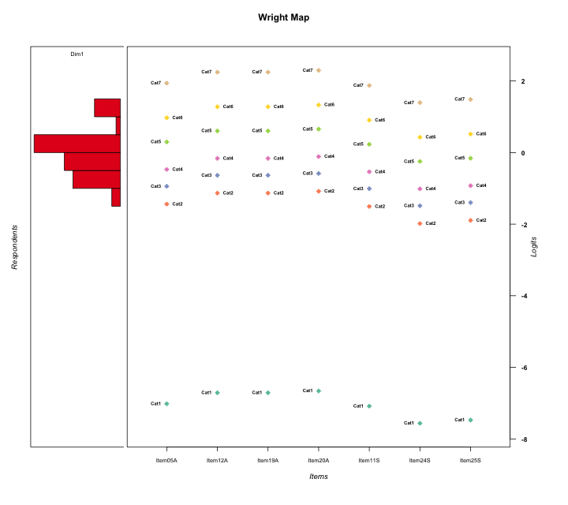
Global information for a measurement model

Information
Number.of.items | Deviance | Log.Likelihood | Number.of.persons | EAP.rel | n.theta.nodes | irt.model
7 | 1228.7571649 | -614.37858244 | 53 | 0.82298671111 | 21 | RSM

Global fit statistic MADaQ3 and test fit
MADaQ3 | maxaQ3 | p
0.20076010809 | 0.43871059158 | 0.040345002993

Test statistic of global fit based on Chi square
maxX2 | Npairs | p.holm
343.51496378 | 21 | 0

Model fit statistics
X100.MADCOV | SRMR | SRMSR
30.008735697 | 0.13174218374 | 0.15643728707

Chi square tests for every item pairs
index1 | index2 | maxK1 | maxK2 | df | chi2 | p | p.holm
1 | 2 | 7 | 7 | 49 | 60.851856163 | 0.11929410682 | 1
1 | 3 | 7 | 7 | 49 | 69.837221153 | 0.026851539653 | 0.37592155515
1 | 4 | 7 | 7 | 49 | 45.659553443 | 0.60935052857 | 1
1 | 5 | 7 | 7 | 49 | 127.1094405 | 7.3584410787E-09 | 1.4716882157E-07
1 | 6 | 7 | 7 | 49 | 343.51496378 | 0 | 0
1 | 7 | 7 | 7 | 49 | 68.525541712 | 0.034097601973 | 0.40917122368
2 | 3 | 7 | 7 | 49 | 47.363685864 | 0.53965810962 | 1
2 | 4 | 7 | 7 | 49 | 38.000812145 | 0.87252362284 | 1
2 | 5 | 7 | 7 | 49 | 47.642617149 | 0.52823700517 | 1
2 | 6 | 7 | 7 | 49 | 69.275701405 | 0.029767967591 | 0.38698357868
2 | 7 | 7 | 7 | 49 | 54.150659945 | 0.28435701902 | 1
3 | 4 | 7 | 7 | 49 | 56.356960603 | 0.21901326543 | 1
3 | 5 | 7 | 7 | 49 | 48.866785814 | 0.47848562418 | 1
3 | 6 | 7 | 7 | 49 | 119.95104133 | 6.981815226E-08 | 1.3265448929E-06
3 | 7 | 7 | 7 | 49 | 76.230296047 | 0.0076343728939 | 0.1297843392
4 | 5 | 7 | 7 | 49 | 31.927405922 | 0.97190074165 | 1
4 | 6 | 7 | 7 | 49 | 55.685048214 | 0.23777058029 | 1
4 | 7 | 7 | 7 | 49 | 71.646284301 | 0.019102051076 | 0.30563281721
5 | 6 | 7 | 7 | 49 | 52.312218902 | 0.34665462756 | 1
5 | 7 | 7 | 7 | 49 | 71.094175351 | 0.021222316321 | 0.31833474481
6 | 7 | 7 | 7 | 49 | 94.668785764 | 9.8138414729E-05 | 0.0017664914651

Item residuals
Item05A | Item12A | Item19A | Item20A | Item11S | Item24S | Item25S
-1.1227226831 | -0.63305680135 | -0.63305680135 | -0.55691904279 | -1.2307201626 | -1.0056846565 | 3.1357400097
-0.76637968777 | 0.68292515215 | 0.68292515215 | -1.2406895879 | 0.14133502464 | 0.52002324986 | 0.62875859477
0.72798735176 | 0.14020040435 | 0.14020040435 | -0.78935772584 | -0.35557353898 | 0.1049379341 | 1.195694833
1.0976621499 | -0.46210309865 | 0.53789690135 | 0.61279088758 | 0.0074803405258 | -0.59357348344 | -0.48939239136
0.50860306403 | 0.021996960447 | -1.9780030396 | 0.10510625756 | 0.39974936078 | -0.35288296603 | -0.21781742578
0.28216040414 | 1.6392789818 | 0.63927898182 | -1.2979847532 | 0.21216455357 | -0.21788934753 | 0.85177577679
-0.58077831523 | -0.066315222309 | -0.066315222309 | 0.017533500429 | 2.3107915978 | -1.4351444987 | -1.3016056972
0.097662149929 | 0.53789690135 | 0.53789690135 | 0.61279088758 | 0.0074803405258 | -0.59357348344 | -0.48939239136
-0.54321344539 | -0.079464259422 | -0.079464259422 | -0.00078865353335 | -0.63884835097 | 0.70868703344 | 0.82433526189
0.32237559019 | 1.8347667649 | -2.1652332351 | 0.91875482077 | 1.2148319948 | -1.5230424949 | -1.391135846
-0.67762440981 | -0.16523323515 | 1.8347667649 | -1.0812451792 | -0.78516800516 | 0.47695750508 | -0.391135846
0.40544511583 | 0.77986249214 | -1.2201375079 | 0.8449935271 | 0.3312054331 | 0.86801086034 | -0.056113499745
0.77140540059 | 0.25444113367 | 1.2544411337 | -0.66442747125 | -0.32877408895 | -1.0157310404 | -0.89321184388
1.5507076947 | -0.9796521527 | -2.9796521527 | 0.099857412999 | -1.5463035441 | 1.7897422546 | 1.9078096327
-0.44929230526 | 0.020347847296 | 0.020347847296 | 1.099857413 | -0.54630354411 | -0.21025774543 | -0.092190367289
-0.22859459941 | 1.2544411337 | -0.74555886633 | 0.33557252875 | -0.32877408895 | -0.015731040437 | -0.89321184388
-1.491396936 | -1.9780030396 | -1.9780030396 | -1.8948937424 | 2.3997493608 | 2.647117034 | 0.78218257422
0.95202078488 | 0.25185136275 | 1.2518513628 | 0.30614029781 | -1.1047593895 | 0.56118505284 | 0.61362127034
2.3223755902 | 0.83476676485 | 0.83476676485 | -0.08124517923 | -2.7851680052 | -0.52304249492 | -1.391135846
-0.67762440981 | 0.83476676485 | 0.83476676485 | 0.91875482077 | 0.21483199484 | -2.5230424949 | -0.391135846
0.06432470924 | 0.56432257806 | -1.4356774219 | 0.64726723819 | -1.0399489686 | -0.75456366453 | 1.3730175998
-1.3487102204 | 0.12709929146 | 0.12709929146 | 0.20739141 | -0.44717448959 | 0.87790017017 | -0.0018535622931
-0.27201264824 | 0.14020040435 | 0.14020040435 | 0.21064227416 | 0.64442646102 | 0.1049379341 | 0.195694833
-0.34871022039 | 0.12709929146 | -0.87290070854 | 0.20739141 | 0.55282551041 | -0.12209982983 | -0.0018535622931
0.75151192585 | 1.0028745889 | 1.0028745889 | 1.0493361576 | 0.70489792419 | 0.43656130211 | -1.5219401704
-1.0867480793 | -0.59535161372 | 0.40464838628 | -0.5133032869 | -0.18892967398 | 1.1105488014 | 0.23556142654
0.55070769474 | -0.9796521527 | 1.0203478473 | 0.099857412999 | 0.45369645589 | -0.21025774543 | -1.0921903673
4.4238195903 | -1.1398352487 | -1.1398352487 | -1.0768209414 | -1.6792201106 | -2.4690463718 | 0.67970179302
2.3223755902 | 0.83476676485 | -1.1652332351 | -0.08124517923 | 0.21483199484 | -1.5230424949 | -1.391135846
-1.7951654844 | -0.28777723076 | 0.71222276924 | -0.20413126026 | 1.0986955666 | -0.62876462196 | 0.50117425093
1.5218813544 | -0.088529975144 | 0.91147002486 | -0.021307417445 | -1.5561135473 | -0.0492511394 | 1.0323239708
0.45678655461 | -0.079464259422 | 0.92053574058 | -0.00078865353335 | -0.63884835097 | -0.29131296656 | -0.17566473811
-1.3487102204 | -0.87290070854 | 0.12709929146 | 0.20739141 | -0.44717448959 | 0.87790017017 | 0.99814643771
1.5218813544 | -2.0885299751 | 1.9114700249 | -3.0213074174 | 1.4438864527 | 0.9507488606 | 1.0323239708
0.83622326695 | -0.74233145719 | -0.74233145719 | 0.32952249317 | 0.75044649992 | 0.19111182926 | 0.28606276918
-0.44929230526 | 0.020347847296 | -1.9796521527 | -1.900142587 | 0.45369645589 | 1.7897422546 | 1.9078096327
0.41922168477 | 1.9336847777 | 0.93368477769 | 0.017533500429 | -0.68920840216 | -2.4351444987 | -1.3016056972
-3.0867480793 | -2.5953516137 | -2.5953516137 | 0.4866967131 | 2.811070326 | 2.1105488014 | 2.2355614265
-1.3487102204 | -0.87290070854 | 0.12709929146 | 0.20739141 | 1.5528255104 | -1.1220998298 | 0.99814643771
-0.81014169396 | -0.34728149514 | 0.65271850486 | 0.72175171797 | 1.0837155564 | -1.7059274341 | -1.559483807
-0.039532842277 | 0.3911942888 | 0.3911942888 | 0.46453202029 | -1.1274980511 | 0.29269077383 | 0.39212705604
-2.163776733 | 1.2576685428 | 0.25766854281 | 0.32952249317 | 0.75044649992 | 0.19111182926 | 0.28606276918
-1.3727525723 | 1.029251175 | 0.029251174997 | 1.0982106245 | 0.5461829389 | 0.027938544582 | 0.11440314055
-0.34871022039 | 1.1270992915 | 0.12709929146 | 0.20739141 | -0.44717448959 | -0.12209982983 | -1.0018535623
1.0533760279 | -0.62653453052 | 1.3734654695 | 0.43086285409 | -1.0078896673 | 0.62705009711 | 0.68488079366
0.41922168477 | -1.0663152223 | -1.0663152223 | -0.98246649957 | -0.68920840216 | 1.5648555013 | 0.69839430284
0.23362031223 | 0.68292515215 | 0.68292515215 | 0.75931041209 | 1.1413350246 | 1.5200232499 | -4.3712414052
-0.039532842277 | -0.6088057112 | 1.3911942888 | 2.4645320203 | -1.1274980511 | 0.29269077383 | -1.607872944
0.35425163574 | -0.18856951228 | 1.8114304877 | 1.8890904245 | -0.73985759555 | -1.3784761827 | -1.2658673371
1.4567865546 | -0.079464259422 | -0.079464259422 | -1.0007886535 | 0.36115164903 | -0.29131296656 | -0.17566473811
-0.76637968777 | 0.68292515215 | 0.68292515215 | -0.24068958791 | 0.14133502464 | -0.47997675014 | 0.62875859477
-0.68176431808 | -0.23198845039 | -0.23198845039 | -0.16610645839 | 1.2133953639 | -0.57891965121 | -1.4308620652
-1.5761804097 | -1.1398352487 | -1.1398352487 | -1.0768209414 | -1.6792201106 | 3.5309536282 | 0.67970179302

Wright Map for Item Response Models

Estimate-Items
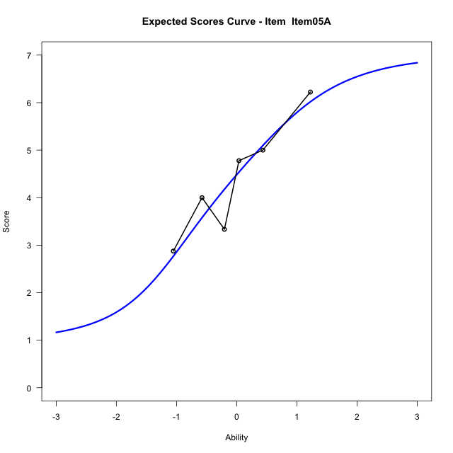
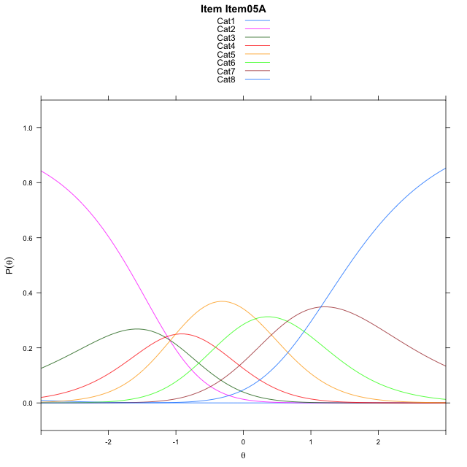
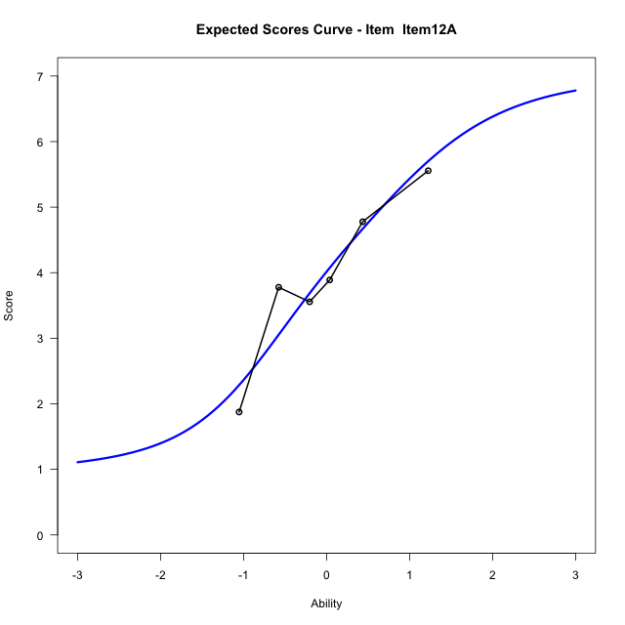
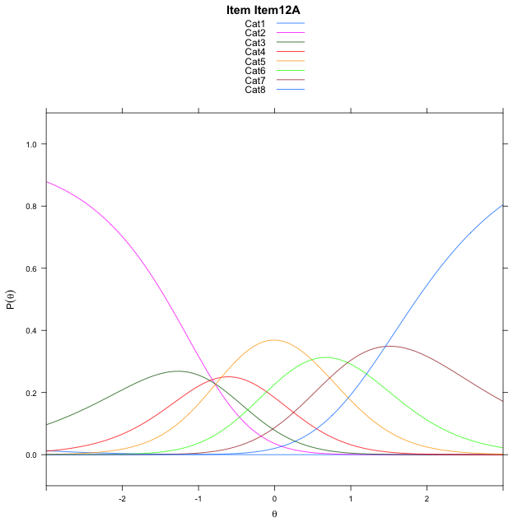
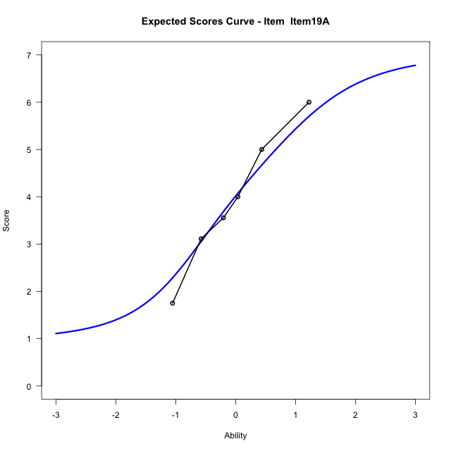

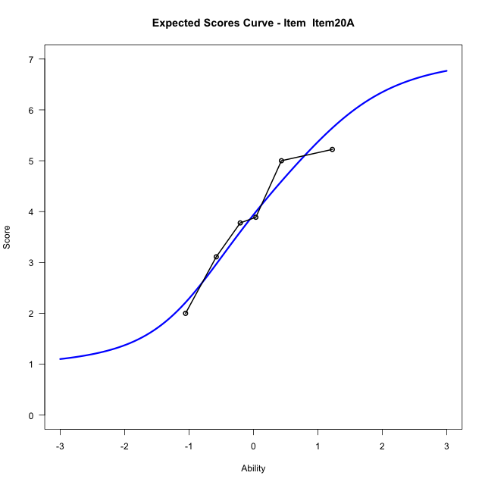

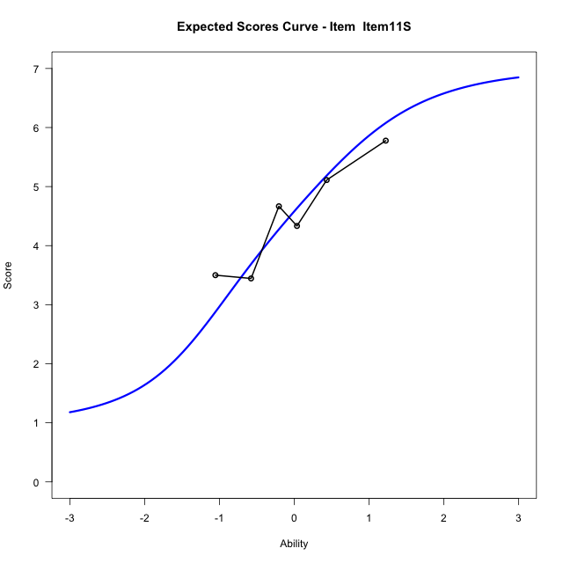
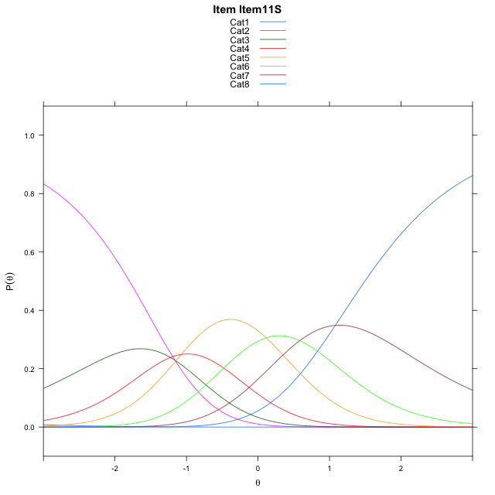
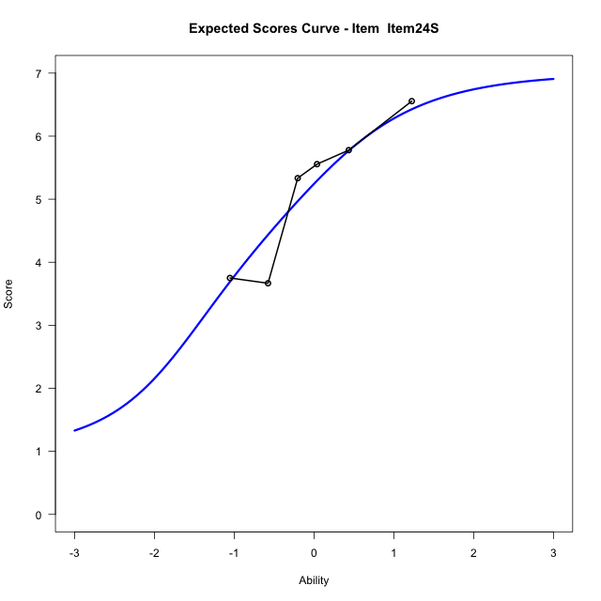
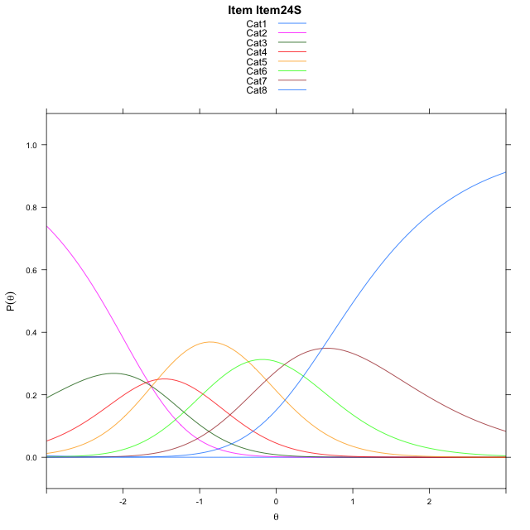
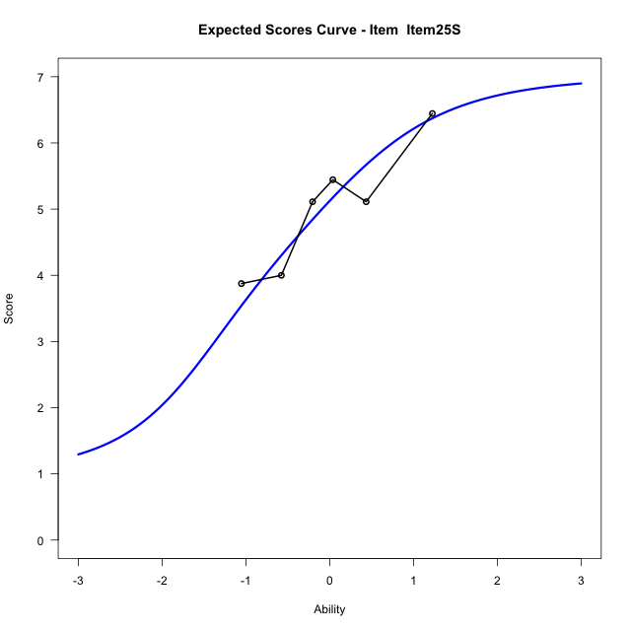
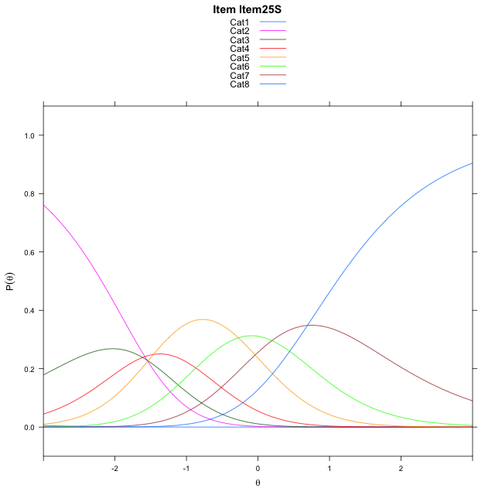
Estimate items information for the measurement model

Full Item Information
item | N | M | xsi.item | AXsi_.Cat1 | AXsi_.Cat2 | AXsi_.Cat3 | AXsi_.Cat4 | AXsi_.Cat5 | AXsi_.Cat6 | AXsi_.Cat7 | B.Cat1.Dim1 | B.Cat2.Dim1 | B.Cat3.Dim1 | B.Cat4.Dim1 | B.Cat5.Dim1 | B.Cat6.Dim1 | B.Cat7.Dim1
Item05A | 53 | 4.3962264151 | -1.2585954954 | -7.5250868079 | -8.6205618033 | -9.7790600617 | -10.785917163 | -10.605781397 | -9.9557176919 | -8.8101684676 | 1 | 2 | 3 | 4 | 5 | 6 | 7
Item12A | 53 | 3.9433962264 | -0.95106020498 | -7.2175515176 | -8.0054912225 | -8.8564541905 | -9.5557760016 | -9.0681049452 | -8.1105059495 | -6.6574214349 | 1 | 2 | 3 | 4 | 5 | 6 | 7
Item19A | 53 | 3.9433962264 | -0.95106020498 | -7.2175515176 | -8.0054912225 | -8.8564541905 | -9.5557760016 | -9.0681049452 | -8.1105059495 | -6.6574214349 | 1 | 2 | 3 | 4 | 5 | 6 | 7
Item20A | 53 | 3.8679245283 | -0.90081630607 | -7.1673076186 | -7.9050034246 | -8.7057224938 | -9.3548004059 | -8.8168854507 | -7.809042556 | -6.3057141425 | 1 | 2 | 3 | 4 | 5 | 6 | 7
Item11S | 53 | 4.4905660377 | -1.3245514778 | -7.5910427903 | -8.752473768 | -9.9769280088 | -11.049741093 | -10.935561309 | -10.351453586 | -9.2718603443 | 1 | 2 | 3 | 4 | 5 | 6 | 7
Item24S | 53 | 5.1320754717 | -1.8029875716 | -8.0694788842 | -9.7093459557 | -11.41223629 | -12.963485468 | -13.327741778 | -13.222070149 | -12.620913001 | 1 | 2 | 3 | 4 | 5 | 6 | 7
Item25S | 53 | 5.0188679245 | -1.7137355327 | -7.9802268453 | -9.5308418779 | -11.144480174 | -12.606477313 | -12.881481584 | -12.686557916 | -11.996148729 | 1 | 2 | 3 | 4 | 5 | 6 | 7

Thurstonian Thresholds (category-wise)
 | Cat1 | Cat2 | Cat3 | Cat4 | Cat5 | Cat6 | Cat7
Item05A | -7.5282897949 | -1.7273254395 | -1.1712341309 | -0.70742797852 | 0.037628173828 | 0.69955444336 | 1.5601501465
Item12A | -7.2208557129 | -1.4198913574 | -0.8639831543 | -0.40017700195 | 0.34506225586 | 1.0068054199 | 1.8675842285
Item19A | -7.2208557129 | -1.4198913574 | -0.8639831543 | -0.40017700195 | 0.34506225586 | 1.0068054199 | 1.8675842285
Item20A | -7.1706848145 | -1.369720459 | -0.81362915039 | -0.35000610352 | 0.3952331543 | 1.0571594238 | 1.917755127
Item11S | -7.5942077637 | -1.7932434082 | -1.2371520996 | -0.77352905273 | -0.028289794922 | 0.63363647461 | 1.4942321777
Item24S | -8.0726623535 | -2.271697998 | -1.7156066895 | -1.2519836426 | -0.50674438477 | 0.15518188477 | 1.0157775879
Item25S | -7.9833068848 | -2.1825256348 | -1.6264343262 | -1.1626281738 | -0.41738891602 | 0.24435424805 | 1.1049499512

Thurstonian Thresholds (item-wise)
 | Threshold
Item05A | -0.62279617143
Item12A | -0.3084537409
Item19A | -0.3084537409
Item20A | -0.25916820809
Item11S | -0.68779136763
Item24S | -1.1652000318
Item25S | -1.0721297636

Item Infit/Outfit Statistic
parameter | Outfit | Outfit_t | Outfit_p | Outfit_pholm | Infit | Infit_t | Infit_p | Infit_pholm
Item05A | 1.1934031622 | 1.0114830545 | 0.31178528753 | 1 | 1.2085537183 | 1.0884499447 | 0.27639652265 | 0.89328111919
Item12A | 0.70528538588 | -1.7476984003 | 0.080516265983 | 0.78598163281 | 0.70446887567 | -1.7545002693 | 0.079344823799 | 0.49276406876
Item19A | 1.005859946 | 0.07587834652 | 0.93951588416 | 1 | 1.0200830723 | 0.15329816643 | 0.87816314657 | 1
Item20A | 0.72150408061 | -1.6463556603 | 0.099690556199 | 0.79752444959 | 0.69786357963 | -1.809361457 | 0.070394866966 | 0.49276406876
Item11S | 0.94240609906 | -0.26995838252 | 0.78719227116 | 1 | 0.95007849704 | -0.22455358253 | 0.8223265784 | 1
Item24S | 1.1290257288 | 0.69284996476 | 0.48840371253 | 1 | 1.2646973337 | 1.3166448415 | 0.18795770058 | 0.89328111919
Item25S | 1.3303145103 | 1.5918359727 | 0.11142156504 | 0.79752444959 | 1.2705110762 | 1.3449040449 | 0.17865622384 | 0.89328111919
Cat1 | 4.7892556351 | 1.8156804586 | 0.069419403363 | 0.76361343699 | 2.1388263248 | 7.1139294356 | 1.1278483152E-12 | 1.0150634837E-11
Cat2 | 3.1900129319 | 1.7588784083 | 0.078598163281 | 0.78598163281 | 3.2017457296 | 14.796816548 | 1.5358129224E-49 | 1.5358129224E-48
Cat3 | 2.7186370914 | 1.9996159093 | 0.045541754687 | 0.54650105625 | 2.7080502978 | 16.165980818 | 8.7632043015E-59 | 1.0515845162E-57
Cat4 | 2.1618701408 | 2.2728963185 | 0.023032428718 | 0.29942157333 | 2.1618948239 | 17.704719554 | 3.8559657077E-70 | 5.0127554199E-69
Cat5 | 1.5701639141 | 0.97061952068 | 0.33173778155 | 1 | 1.6905518511 | 15.078965912 | 2.2273007778E-51 | 2.4500308556E-50
Cat6 | 1.2917173988 | 0.85421256335 | 0.39298722335 | 1 | 1.5130979186 | 5.114391142 | 3.1475454158E-07 | 2.5180363326E-06

Box plot of expected curves

