Type_1
Wilcoxon Analysis for Nro. of total interactions in Type between ont-gamified:w/o-gamified

Wilcoxon test results
Alternative hypothesis: less
Group | N | Median | Mean.Ranks | Sum.Ranks | U | Z | p.value | r | magnitude
ont-gamified | 22 | 4 | 18.954545455 | 417 | 164 | -0.65905624247 | 0.25950783858 | 0.10553345936 | small
w/o-gamified | 17 | 4 | 21.352941176 | 363 | 164 | -0.65905624247 | 0.25950783858 | 0.10553345936 | small
Alternative hypothesis: greater
Group | N | Median | Mean.Ranks | Sum.Ranks | U | Z | p.value | r | magnitude
ont-gamified | 22 | 4 | 18.954545455 | 417 | 164 | -0.65905624247 | 0.74526573233 | 0.10553345936 | small
w/o-gamified | 17 | 4 | 21.352941176 | 363 | 164 | -0.65905624247 | 0.74526573233 | 0.10553345936 | small
Alternative hypothesis: two.sided
Group | N | Median | Mean.Ranks | Sum.Ranks | U | Z | p.value | r | magnitude
ont-gamified | 22 | 4 | 18.954545455 | 417 | 164 | -0.65905624247 | 0.51905933942 | 0.10553345936 | small
w/o-gamified | 17 | 4 | 21.352941176 | 363 | 164 | -0.65905624247 | 0.51905933942 | 0.10553345936 | small

Box plots for wilcoxon tests
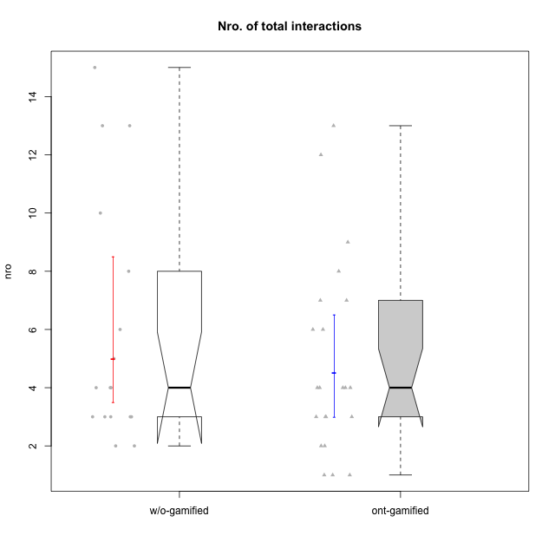

Wilcoxon data
UserID | NroUSP | Type | CLRole | PlayerRole | CLGroup | Group | ParticipationLevel | NroTotalInteractions | NroNecessaryInteractions | (1) Elaborar lista de exercícios | (2) Demonstrar a solução de um problema | (3) Enviar (ou reenviar) a solução do problema | (c) Aceitar a solução como boa | NroSolutionReviewed (Apprentice) | NroSolutionReviewed (Master) | NroSolutionWithoutReviewed (Apprentice) | NroSolutionWithoutReviewed (Master) | NroSolutionGoodReview | NroDesiredInteractions | (a) Expressar dúvidas em relação à demonstração | (b) Esclarecer as dúvidas | (d) Notificar os erros existentes na solução | (e) Apresentar dicas ou otra forma de ajuda | (f) Expressar dificuldade em resolver o problema | (g) Explicar como resolver o problema
10170 | 10260351 | w/o-gamified | Apprentice |  | Grupo11 | Grupo11 | complete | 4 | 3 | 0 | 0 | 3 | 0 | 3 | 0 | 0 | 0 | 3 | 1 | 1 | 0 | 0 | 0 | 0 | 0
10171 | 698531 | ont-gamified | Master | Social Achiever | Mafia | Mafia | complete | 13 | 4 | 1 | 1 | 0 | 2 | 0 | 4 | 0 | 0 | 0 | 9 | 0 | 0 | 2 | 7 | 0 | 0
10174 | 10276852 | w/o-gamified | Master |  | Grupo7 | Grupo7 | complete | 8 | 8 | 1 | 1 | 0 | 6 | 0 | 6 | 0 | 0 | 0 | 0 | 0 | 0 | 0 | 0 | 0 | 0
10175 | 10310700 | ont-gamified | Master | Social Achiever | Warriors | Warriors | complete | 12 | 7 | 1 | 1 | 0 | 5 | 0 | 5 | 0 | 0 | 0 | 5 | 0 | 1 | 1 | 3 | 0 | 0
10176 | 10276949 | ont-gamified | Master | Social Achiever | Outlaws | Outlaws | complete | 6 | 5 | 1 | 1 | 0 | 3 | 0 | 3 | 0 | 0 | 0 | 1 | 0 | 0 | 1 | 0 | 0 | 0
10178 | 8656201 | ont-gamified | Apprentice | Social Achiever | Outlaws | Outlaws | semicomplete | 1 | 1 | 0 | 0 | 1 | 0 | 1 | 0 | 0 | 0 | 1 | 0 | 0 | 0 | 0 | 0 | 0 | 0
10179 | 10310759 | w/o-gamified | Master |  | Grupo10 | Grupo10 | semicomplete | 15 | 8 | 1 | 1 | 0 | 6 | 0 | 9 | 0 | 1 | 0 | 7 | 0 | 1 | 2 | 2 | 0 | 2
10183 | 10352030 | w/o-gamified | Apprentice |  | Grupo3 | Grupo3 | incomplete | 2 | 1 | 0 | 0 | 1 | 0 | 0 | 0 | 1 | 0 | 0 | 1 | 1 | 0 | 0 | 0 | 0 | 0
10184 | 10276675 | w/o-gamified | Apprentice |  | Grupo10 | Grupo10 | complete | 10 | 7 | 0 | 0 | 7 | 0 | 7 | 0 | 0 | 0 | 4 | 3 | 1 | 0 | 0 | 0 | 2 | 0
10185 | 10276960 | w/o-gamified | Apprentice |  | Grupo9 | Grupo9 | incomplete | 2 | 2 | 0 | 0 | 2 | 0 | 2 | 0 | 0 | 0 | 0 | 0 | 0 | 0 | 0 | 0 | 0 | 0
10186 | 10310551 | ont-gamified | Apprentice | Social Achiever | Slayers | Slayers | semicomplete | 4 | 3 | 0 | 0 | 3 | 0 | 1 | 0 | 2 | 0 | 1 | 1 | 1 | 0 | 0 | 0 | 0 | 0
10187 | 9790781 | ont-gamified | Apprentice | Social Achiever | Mafia | Mafia | incomplete | 1 | 1 | 0 | 0 | 1 | 0 | 1 | 0 | 0 | 0 | 0 | 0 | 0 | 0 | 0 | 0 | 0 | 0
10188 | 10276995 | ont-gamified | Master | Yee Achiever | Vandals | Vandals | semicomplete | 4 | 4 | 1 | 1 | 0 | 2 | 0 | 2 | 0 | 1 | 0 | 0 | 0 | 0 | 0 | 0 | 0 | 0
10189 | 9363926 | ont-gamified | Apprentice | Social Achiever | Vikings | Vikings | incomplete | 3 | 1 | 0 | 0 | 1 | 0 | 1 | 0 | 0 | 0 | 0 | 2 | 2 | 0 | 0 | 0 | 0 | 0
10191 | 10276981 | w/o-gamified | Master |  | Grupo1 | Grupo1 | complete | 6 | 4 | 1 | 1 | 0 | 2 | 0 | 3 | 0 | 0 | 0 | 2 | 0 | 0 | 1 | 1 | 0 | 0
10192 | 10276682 | ont-gamified | Apprentice | Social Achiever | Attractive Devils | Attractive Devils | incomplete | 1 | 1 | 0 | 0 | 1 | 0 | 1 | 0 | 0 | 0 | 0 | 0 | 0 | 0 | 0 | 0 | 0 | 0
10193 | 10276762 | ont-gamified | Apprentice | Yee Achiever | Vandals | Vandals | complete | 3 | 3 | 0 | 0 | 3 | 0 | 2 | 0 | 1 | 0 | 2 | 0 | 0 | 0 | 0 | 0 | 0 | 0
10196 | 10310655 | w/o-gamified | Master |  | Grupo11 | Grupo11 | complete | 13 | 10 | 2 | 2 | 0 | 6 | 0 | 6 | 0 | 0 | 0 | 3 | 0 | 1 | 1 | 1 | 0 | 0
10197 | 10276661 | w/o-gamified | Apprentice |  | Grupo8 | Grupo8 | complete | 3 | 2 | 0 | 0 | 2 | 0 | 2 | 0 | 0 | 0 | 2 | 1 | 1 | 0 | 0 | 0 | 0 | 0
10198 | 10310888 | ont-gamified | Apprentice | Social Achiever | Attractive Devils | Attractive Devils | complete | 4 | 3 | 0 | 0 | 3 | 0 | 3 | 0 | 0 | 0 | 2 | 1 | 1 | 0 | 0 | 0 | 0 | 0
10200 | 9795272 | ont-gamified | Apprentice | Social Achiever | Warriors | Warriors | complete | 4 | 3 | 0 | 0 | 3 | 0 | 3 | 0 | 0 | 0 | 3 | 1 | 1 | 0 | 0 | 0 | 0 | 0
10201 | 10276928 | w/o-gamified | Apprentice |  | Grupo11 | Grupo11 | complete | 3 | 3 | 0 | 0 | 3 | 0 | 3 | 0 | 0 | 0 | 3 | 0 | 0 | 0 | 0 | 0 | 0 | 0
10202 | 10277036 | ont-gamified | Apprentice | Social Achiever | Silly Knights | Silly Knights | complete | 7 | 6 | 0 | 0 | 6 | 0 | 5 | 0 | 1 | 0 | 2 | 1 | 0 | 0 | 0 | 0 | 1 | 0
10203 | 9921470 | ont-gamified | Apprentice | Social Achiever | Mercenaries | Mercenaries | complete | 2 | 2 | 0 | 0 | 2 | 0 | 2 | 0 | 0 | 0 | 2 | 0 | 0 | 0 | 0 | 0 | 0 | 0
10206 | 10310721 | w/o-gamified | Apprentice |  | Grupo8 | Grupo8 | complete | 3 | 3 | 0 | 0 | 3 | 0 | 3 | 0 | 0 | 0 | 2 | 0 | 0 | 0 | 0 | 0 | 0 | 0
10208 | 10276932 | ont-gamified | Master | Social Achiever | Mercenaries | Mercenaries | complete | 6 | 6 | 1 | 1 | 0 | 4 | 0 | 3 | 0 | 0 | 0 | 0 | 0 | 0 | 0 | 0 | 0 | 0
10209 | 10262669 | ont-gamified | Apprentice | Social Achiever | Mafia | Mafia | complete | 3 | 3 | 0 | 0 | 3 | 0 | 3 | 0 | 0 | 0 | 2 | 0 | 0 | 0 | 0 | 0 | 0 | 0
10211 | 9311643 | ont-gamified | Master | Social Achiever | Attractive Devils | Attractive Devils | complete | 7 | 4 | 1 | 1 | 0 | 2 | 0 | 4 | 0 | 0 | 0 | 3 | 0 | 1 | 2 | 0 | 0 | 0
10213 | 10277040 | w/o-gamified | Apprentice |  | Grupo7 | Grupo7 | complete | 4 | 3 | 0 | 0 | 3 | 0 | 3 | 0 | 0 | 0 | 3 | 1 | 1 | 0 | 0 | 0 | 0 | 0
10214 | 10277022 | ont-gamified | Apprentice | Social Achiever | Vikings | Vikings | complete | 3 | 3 | 0 | 0 | 3 | 0 | 3 | 0 | 0 | 0 | 3 | 0 | 0 | 0 | 0 | 0 | 0 | 0
10216 | 10276720 | ont-gamified | Master | Social Achiever | Silly Knights | Silly Knights | semicomplete | 8 | 4 | 1 | 1 | 0 | 2 | 0 | 5 | 0 | 1 | 0 | 4 | 0 | 0 | 0 | 4 | 0 | 0
10217 | 9805341 | w/o-gamified | Apprentice |  | Grupo9 | Grupo9 | complete | 4 | 4 | 0 | 0 | 4 | 0 | 4 | 0 | 0 | 0 | 4 | 0 | 0 | 0 | 0 | 0 | 0 | 0
10218 | 9842913 | w/o-gamified | Apprentice |  | Grupo10 | Grupo10 | complete | 3 | 3 | 0 | 0 | 3 | 0 | 2 | 0 | 1 | 0 | 2 | 0 | 0 | 0 | 0 | 0 | 0 | 0
10219 | 10276831 | w/o-gamified | Master |  | Grupo3 | Grupo3 | semicomplete | 5 | 5 | 1 | 1 | 0 | 3 | 0 | 3 | 0 | 1 | 0 | 0 | 0 | 0 | 0 | 0 | 0 | 0
10223 | 9795185 | ont-gamified | Master | Social Achiever | Slayers | Slayers | semicomplete | 4 | 3 | 1 | 1 | 0 | 1 | 0 | 1 | 0 | 2 | 0 | 1 | 0 | 1 | 0 | 0 | 0 | 0
10230 | 10351992 | ont-gamified | Master | Social Achiever | Resistance | Resistance | complete | 9 | 5 | 1 | 1 | 0 | 3 | 0 | 2 | 0 | 0 | 0 | 4 | 0 | 0 | 2 | 2 | 0 | 0
10231 | 10276911 | w/o-gamified | Master |  | Grupo9 | Grupo9 | complete | 13 | 6 | 1 | 1 | 0 | 4 | 0 | 6 | 0 | 0 | 0 | 7 | 0 | 0 | 2 | 5 | 0 | 0
10232 | 10276974 | w/o-gamified | Apprentice |  | Grupo7 | Grupo7 | complete | 3 | 3 | 0 | 0 | 3 | 0 | 3 | 0 | 0 | 0 | 3 | 0 | 0 | 0 | 0 | 0 | 0 | 0
10237 | 10377688 | ont-gamified | Apprentice | Social Achiever | Outlaws | Outlaws | complete | 2 | 2 | 0 | 0 | 2 | 0 | 2 | 0 | 0 | 0 | 2 | 0 | 0 | 0 | 0 | 0 | 0 | 0

Type_CLRole_1
Wilcoxon Analysis for Nro. of total interactions in Type:CLRole between ont-gamified.Apprentice:ont-gamified.Master

Wilcoxon test results
Alternative hypothesis: less
Group | N | Median | Mean.Ranks | Sum.Ranks | U | Z | p.value | r | magnitude
ont-gamified.Apprentice | 13 | 3 | 7.5769230769 | 98.5 | 7.5 | -3.4418242033 | 9.8508302843E-05 | 0.73379938571 | large
ont-gamified.Master | 9 | 7 | 17.166666667 | 154.5 | 7.5 | -3.4418242033 | 9.8508302843E-05 | 0.73379938571 | large
Alternative hypothesis: greater
Group | N | Median | Mean.Ranks | Sum.Ranks | U | Z | p.value | r | magnitude
ont-gamified.Apprentice | 13 | 3 | 7.5769230769 | 98.5 | 7.5 | -3.4418242033 | 0.99994169917 | 0.73379938571 | large
ont-gamified.Master | 9 | 7 | 17.166666667 | 154.5 | 7.5 | -3.4418242033 | 0.99994169917 | 0.73379938571 | large
Alternative hypothesis: two.sided
Group | N | Median | Mean.Ranks | Sum.Ranks | U | Z | p.value | r | magnitude
ont-gamified.Apprentice | 13 | 3 | 7.5769230769 | 98.5 | 7.5 | -3.4418242033 | 0.00016082988219 | 0.73379938571 | large
ont-gamified.Master | 9 | 7 | 17.166666667 | 154.5 | 7.5 | -3.4418242033 | 0.00016082988219 | 0.73379938571 | large

Box plots for wilcoxon tests
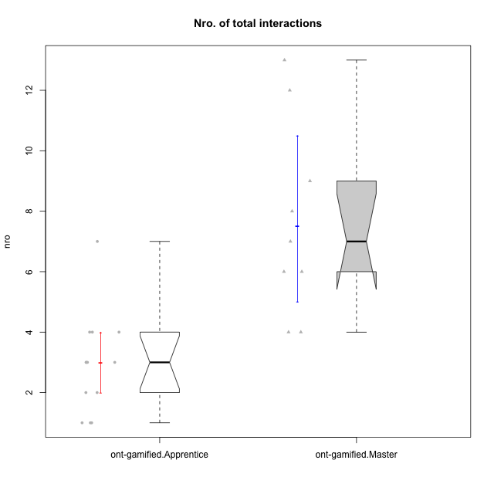

Wilcoxon data
UserID | NroUSP | Type | CLRole | PlayerRole | CLGroup | Group | ParticipationLevel | NroTotalInteractions | NroNecessaryInteractions | (1) Elaborar lista de exercícios | (2) Demonstrar a solução de um problema | (3) Enviar (ou reenviar) a solução do problema | (c) Aceitar a solução como boa | NroSolutionReviewed (Apprentice) | NroSolutionReviewed (Master) | NroSolutionWithoutReviewed (Apprentice) | NroSolutionWithoutReviewed (Master) | NroSolutionGoodReview | NroDesiredInteractions | (a) Expressar dúvidas em relação à demonstração | (b) Esclarecer as dúvidas | (d) Notificar os erros existentes na solução | (e) Apresentar dicas ou otra forma de ajuda | (f) Expressar dificuldade em resolver o problema | (g) Explicar como resolver o problema
10171 | 698531 | ont-gamified | Master | Social Achiever | Mafia | Mafia | complete | 13 | 4 | 1 | 1 | 0 | 2 | 0 | 4 | 0 | 0 | 0 | 9 | 0 | 0 | 2 | 7 | 0 | 0
10175 | 10310700 | ont-gamified | Master | Social Achiever | Warriors | Warriors | complete | 12 | 7 | 1 | 1 | 0 | 5 | 0 | 5 | 0 | 0 | 0 | 5 | 0 | 1 | 1 | 3 | 0 | 0
10176 | 10276949 | ont-gamified | Master | Social Achiever | Outlaws | Outlaws | complete | 6 | 5 | 1 | 1 | 0 | 3 | 0 | 3 | 0 | 0 | 0 | 1 | 0 | 0 | 1 | 0 | 0 | 0
10178 | 8656201 | ont-gamified | Apprentice | Social Achiever | Outlaws | Outlaws | semicomplete | 1 | 1 | 0 | 0 | 1 | 0 | 1 | 0 | 0 | 0 | 1 | 0 | 0 | 0 | 0 | 0 | 0 | 0
10186 | 10310551 | ont-gamified | Apprentice | Social Achiever | Slayers | Slayers | semicomplete | 4 | 3 | 0 | 0 | 3 | 0 | 1 | 0 | 2 | 0 | 1 | 1 | 1 | 0 | 0 | 0 | 0 | 0
10187 | 9790781 | ont-gamified | Apprentice | Social Achiever | Mafia | Mafia | incomplete | 1 | 1 | 0 | 0 | 1 | 0 | 1 | 0 | 0 | 0 | 0 | 0 | 0 | 0 | 0 | 0 | 0 | 0
10188 | 10276995 | ont-gamified | Master | Yee Achiever | Vandals | Vandals | semicomplete | 4 | 4 | 1 | 1 | 0 | 2 | 0 | 2 | 0 | 1 | 0 | 0 | 0 | 0 | 0 | 0 | 0 | 0
10189 | 9363926 | ont-gamified | Apprentice | Social Achiever | Vikings | Vikings | incomplete | 3 | 1 | 0 | 0 | 1 | 0 | 1 | 0 | 0 | 0 | 0 | 2 | 2 | 0 | 0 | 0 | 0 | 0
10192 | 10276682 | ont-gamified | Apprentice | Social Achiever | Attractive Devils | Attractive Devils | incomplete | 1 | 1 | 0 | 0 | 1 | 0 | 1 | 0 | 0 | 0 | 0 | 0 | 0 | 0 | 0 | 0 | 0 | 0
10193 | 10276762 | ont-gamified | Apprentice | Yee Achiever | Vandals | Vandals | complete | 3 | 3 | 0 | 0 | 3 | 0 | 2 | 0 | 1 | 0 | 2 | 0 | 0 | 0 | 0 | 0 | 0 | 0
10198 | 10310888 | ont-gamified | Apprentice | Social Achiever | Attractive Devils | Attractive Devils | complete | 4 | 3 | 0 | 0 | 3 | 0 | 3 | 0 | 0 | 0 | 2 | 1 | 1 | 0 | 0 | 0 | 0 | 0
10200 | 9795272 | ont-gamified | Apprentice | Social Achiever | Warriors | Warriors | complete | 4 | 3 | 0 | 0 | 3 | 0 | 3 | 0 | 0 | 0 | 3 | 1 | 1 | 0 | 0 | 0 | 0 | 0
10202 | 10277036 | ont-gamified | Apprentice | Social Achiever | Silly Knights | Silly Knights | complete | 7 | 6 | 0 | 0 | 6 | 0 | 5 | 0 | 1 | 0 | 2 | 1 | 0 | 0 | 0 | 0 | 1 | 0
10203 | 9921470 | ont-gamified | Apprentice | Social Achiever | Mercenaries | Mercenaries | complete | 2 | 2 | 0 | 0 | 2 | 0 | 2 | 0 | 0 | 0 | 2 | 0 | 0 | 0 | 0 | 0 | 0 | 0
10208 | 10276932 | ont-gamified | Master | Social Achiever | Mercenaries | Mercenaries | complete | 6 | 6 | 1 | 1 | 0 | 4 | 0 | 3 | 0 | 0 | 0 | 0 | 0 | 0 | 0 | 0 | 0 | 0
10209 | 10262669 | ont-gamified | Apprentice | Social Achiever | Mafia | Mafia | complete | 3 | 3 | 0 | 0 | 3 | 0 | 3 | 0 | 0 | 0 | 2 | 0 | 0 | 0 | 0 | 0 | 0 | 0
10211 | 9311643 | ont-gamified | Master | Social Achiever | Attractive Devils | Attractive Devils | complete | 7 | 4 | 1 | 1 | 0 | 2 | 0 | 4 | 0 | 0 | 0 | 3 | 0 | 1 | 2 | 0 | 0 | 0
10214 | 10277022 | ont-gamified | Apprentice | Social Achiever | Vikings | Vikings | complete | 3 | 3 | 0 | 0 | 3 | 0 | 3 | 0 | 0 | 0 | 3 | 0 | 0 | 0 | 0 | 0 | 0 | 0
10216 | 10276720 | ont-gamified | Master | Social Achiever | Silly Knights | Silly Knights | semicomplete | 8 | 4 | 1 | 1 | 0 | 2 | 0 | 5 | 0 | 1 | 0 | 4 | 0 | 0 | 0 | 4 | 0 | 0
10223 | 9795185 | ont-gamified | Master | Social Achiever | Slayers | Slayers | semicomplete | 4 | 3 | 1 | 1 | 0 | 1 | 0 | 1 | 0 | 2 | 0 | 1 | 0 | 1 | 0 | 0 | 0 | 0
10230 | 10351992 | ont-gamified | Master | Social Achiever | Resistance | Resistance | complete | 9 | 5 | 1 | 1 | 0 | 3 | 0 | 2 | 0 | 0 | 0 | 4 | 0 | 0 | 2 | 2 | 0 | 0
10237 | 10377688 | ont-gamified | Apprentice | Social Achiever | Outlaws | Outlaws | complete | 2 | 2 | 0 | 0 | 2 | 0 | 2 | 0 | 0 | 0 | 2 | 0 | 0 | 0 | 0 | 0 | 0 | 0

Type_CLRole_2
Wilcoxon Analysis for Nro. of total interactions in Type:CLRole between ont-gamified.Apprentice:w/o-gamified.Apprentice

Wilcoxon test results
Alternative hypothesis: less
Group | N | Median | Mean.Ranks | Sum.Ranks | U | Z | p.value | r | magnitude
ont-gamified.Apprentice | 13 | 3 | 11.269230769 | 146.5 | 55.5 | -0.96304099738 | 0.18095190021 | 0.19657992041 | small
w/o-gamified.Apprentice | 11 | 3 | 13.954545455 | 153.5 | 55.5 | -0.96304099738 | 0.18095190021 | 0.19657992041 | small
Alternative hypothesis: greater
Group | N | Median | Mean.Ranks | Sum.Ranks | U | Z | p.value | r | magnitude
ont-gamified.Apprentice | 13 | 3 | 11.269230769 | 146.5 | 55.5 | -0.96304099738 | 0.83621057118 | 0.19657992041 | small
w/o-gamified.Apprentice | 11 | 3 | 13.954545455 | 153.5 | 55.5 | -0.96304099738 | 0.83621057118 | 0.19657992041 | small
Alternative hypothesis: two.sided
Group | N | Median | Mean.Ranks | Sum.Ranks | U | Z | p.value | r | magnitude
ont-gamified.Apprentice | 13 | 3 | 11.269230769 | 146.5 | 55.5 | -0.96304099738 | 0.36254999712 | 0.19657992041 | small
w/o-gamified.Apprentice | 11 | 3 | 13.954545455 | 153.5 | 55.5 | -0.96304099738 | 0.36254999712 | 0.19657992041 | small

Box plots for wilcoxon tests
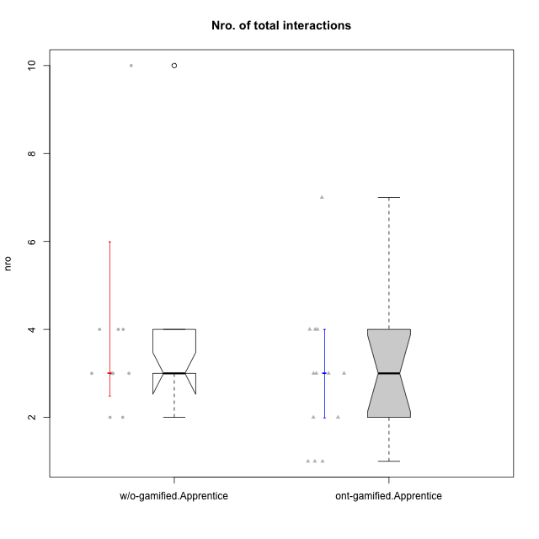

Wilcoxon data
UserID | NroUSP | Type | CLRole | PlayerRole | CLGroup | Group | ParticipationLevel | NroTotalInteractions | NroNecessaryInteractions | (1) Elaborar lista de exercícios | (2) Demonstrar a solução de um problema | (3) Enviar (ou reenviar) a solução do problema | (c) Aceitar a solução como boa | NroSolutionReviewed (Apprentice) | NroSolutionReviewed (Master) | NroSolutionWithoutReviewed (Apprentice) | NroSolutionWithoutReviewed (Master) | NroSolutionGoodReview | NroDesiredInteractions | (a) Expressar dúvidas em relação à demonstração | (b) Esclarecer as dúvidas | (d) Notificar os erros existentes na solução | (e) Apresentar dicas ou otra forma de ajuda | (f) Expressar dificuldade em resolver o problema | (g) Explicar como resolver o problema
10170 | 10260351 | w/o-gamified | Apprentice |  | Grupo11 | Grupo11 | complete | 4 | 3 | 0 | 0 | 3 | 0 | 3 | 0 | 0 | 0 | 3 | 1 | 1 | 0 | 0 | 0 | 0 | 0
10178 | 8656201 | ont-gamified | Apprentice | Social Achiever | Outlaws | Outlaws | semicomplete | 1 | 1 | 0 | 0 | 1 | 0 | 1 | 0 | 0 | 0 | 1 | 0 | 0 | 0 | 0 | 0 | 0 | 0
10183 | 10352030 | w/o-gamified | Apprentice |  | Grupo3 | Grupo3 | incomplete | 2 | 1 | 0 | 0 | 1 | 0 | 0 | 0 | 1 | 0 | 0 | 1 | 1 | 0 | 0 | 0 | 0 | 0
10184 | 10276675 | w/o-gamified | Apprentice |  | Grupo10 | Grupo10 | complete | 10 | 7 | 0 | 0 | 7 | 0 | 7 | 0 | 0 | 0 | 4 | 3 | 1 | 0 | 0 | 0 | 2 | 0
10185 | 10276960 | w/o-gamified | Apprentice |  | Grupo9 | Grupo9 | incomplete | 2 | 2 | 0 | 0 | 2 | 0 | 2 | 0 | 0 | 0 | 0 | 0 | 0 | 0 | 0 | 0 | 0 | 0
10186 | 10310551 | ont-gamified | Apprentice | Social Achiever | Slayers | Slayers | semicomplete | 4 | 3 | 0 | 0 | 3 | 0 | 1 | 0 | 2 | 0 | 1 | 1 | 1 | 0 | 0 | 0 | 0 | 0
10187 | 9790781 | ont-gamified | Apprentice | Social Achiever | Mafia | Mafia | incomplete | 1 | 1 | 0 | 0 | 1 | 0 | 1 | 0 | 0 | 0 | 0 | 0 | 0 | 0 | 0 | 0 | 0 | 0
10189 | 9363926 | ont-gamified | Apprentice | Social Achiever | Vikings | Vikings | incomplete | 3 | 1 | 0 | 0 | 1 | 0 | 1 | 0 | 0 | 0 | 0 | 2 | 2 | 0 | 0 | 0 | 0 | 0
10192 | 10276682 | ont-gamified | Apprentice | Social Achiever | Attractive Devils | Attractive Devils | incomplete | 1 | 1 | 0 | 0 | 1 | 0 | 1 | 0 | 0 | 0 | 0 | 0 | 0 | 0 | 0 | 0 | 0 | 0
10193 | 10276762 | ont-gamified | Apprentice | Yee Achiever | Vandals | Vandals | complete | 3 | 3 | 0 | 0 | 3 | 0 | 2 | 0 | 1 | 0 | 2 | 0 | 0 | 0 | 0 | 0 | 0 | 0
10197 | 10276661 | w/o-gamified | Apprentice |  | Grupo8 | Grupo8 | complete | 3 | 2 | 0 | 0 | 2 | 0 | 2 | 0 | 0 | 0 | 2 | 1 | 1 | 0 | 0 | 0 | 0 | 0
10198 | 10310888 | ont-gamified | Apprentice | Social Achiever | Attractive Devils | Attractive Devils | complete | 4 | 3 | 0 | 0 | 3 | 0 | 3 | 0 | 0 | 0 | 2 | 1 | 1 | 0 | 0 | 0 | 0 | 0
10200 | 9795272 | ont-gamified | Apprentice | Social Achiever | Warriors | Warriors | complete | 4 | 3 | 0 | 0 | 3 | 0 | 3 | 0 | 0 | 0 | 3 | 1 | 1 | 0 | 0 | 0 | 0 | 0
10201 | 10276928 | w/o-gamified | Apprentice |  | Grupo11 | Grupo11 | complete | 3 | 3 | 0 | 0 | 3 | 0 | 3 | 0 | 0 | 0 | 3 | 0 | 0 | 0 | 0 | 0 | 0 | 0
10202 | 10277036 | ont-gamified | Apprentice | Social Achiever | Silly Knights | Silly Knights | complete | 7 | 6 | 0 | 0 | 6 | 0 | 5 | 0 | 1 | 0 | 2 | 1 | 0 | 0 | 0 | 0 | 1 | 0
10203 | 9921470 | ont-gamified | Apprentice | Social Achiever | Mercenaries | Mercenaries | complete | 2 | 2 | 0 | 0 | 2 | 0 | 2 | 0 | 0 | 0 | 2 | 0 | 0 | 0 | 0 | 0 | 0 | 0
10206 | 10310721 | w/o-gamified | Apprentice |  | Grupo8 | Grupo8 | complete | 3 | 3 | 0 | 0 | 3 | 0 | 3 | 0 | 0 | 0 | 2 | 0 | 0 | 0 | 0 | 0 | 0 | 0
10209 | 10262669 | ont-gamified | Apprentice | Social Achiever | Mafia | Mafia | complete | 3 | 3 | 0 | 0 | 3 | 0 | 3 | 0 | 0 | 0 | 2 | 0 | 0 | 0 | 0 | 0 | 0 | 0
10213 | 10277040 | w/o-gamified | Apprentice |  | Grupo7 | Grupo7 | complete | 4 | 3 | 0 | 0 | 3 | 0 | 3 | 0 | 0 | 0 | 3 | 1 | 1 | 0 | 0 | 0 | 0 | 0
10214 | 10277022 | ont-gamified | Apprentice | Social Achiever | Vikings | Vikings | complete | 3 | 3 | 0 | 0 | 3 | 0 | 3 | 0 | 0 | 0 | 3 | 0 | 0 | 0 | 0 | 0 | 0 | 0
10217 | 9805341 | w/o-gamified | Apprentice |  | Grupo9 | Grupo9 | complete | 4 | 4 | 0 | 0 | 4 | 0 | 4 | 0 | 0 | 0 | 4 | 0 | 0 | 0 | 0 | 0 | 0 | 0
10218 | 9842913 | w/o-gamified | Apprentice |  | Grupo10 | Grupo10 | complete | 3 | 3 | 0 | 0 | 3 | 0 | 2 | 0 | 1 | 0 | 2 | 0 | 0 | 0 | 0 | 0 | 0 | 0
10232 | 10276974 | w/o-gamified | Apprentice |  | Grupo7 | Grupo7 | complete | 3 | 3 | 0 | 0 | 3 | 0 | 3 | 0 | 0 | 0 | 3 | 0 | 0 | 0 | 0 | 0 | 0 | 0
10237 | 10377688 | ont-gamified | Apprentice | Social Achiever | Outlaws | Outlaws | complete | 2 | 2 | 0 | 0 | 2 | 0 | 2 | 0 | 0 | 0 | 2 | 0 | 0 | 0 | 0 | 0 | 0 | 0

Type_CLRole_3
Wilcoxon Analysis for Nro. of total interactions in Type:CLRole between ont-gamified.Apprentice:w/o-gamified.Master

Wilcoxon test results
Alternative hypothesis: less
Group | N | Median | Mean.Ranks | Sum.Ranks | U | Z | p.value | r | magnitude
ont-gamified.Apprentice | 13 | 3 | 7.1538461538 | 93 | 2 | -3.2739607025 | 0.00011057054401 | 0.75109809722 | large
w/o-gamified.Master | 6 | 10.5 | 16.166666667 | 97 | 2 | -3.2739607025 | 0.00011057054401 | 0.75109809722 | large
Alternative hypothesis: greater
Group | N | Median | Mean.Ranks | Sum.Ranks | U | Z | p.value | r | magnitude
ont-gamified.Apprentice | 13 | 3 | 7.1538461538 | 93 | 2 | -3.2739607025 | 0.9999262863 | 0.75109809722 | large
w/o-gamified.Master | 6 | 10.5 | 16.166666667 | 97 | 2 | -3.2739607025 | 0.9999262863 | 0.75109809722 | large
Alternative hypothesis: two.sided
Group | N | Median | Mean.Ranks | Sum.Ranks | U | Z | p.value | r | magnitude
ont-gamified.Apprentice | 13 | 3 | 7.1538461538 | 93 | 2 | -3.2739607025 | 0.00025799793602 | 0.75109809722 | large
w/o-gamified.Master | 6 | 10.5 | 16.166666667 | 97 | 2 | -3.2739607025 | 0.00025799793602 | 0.75109809722 | large

Box plots for wilcoxon tests
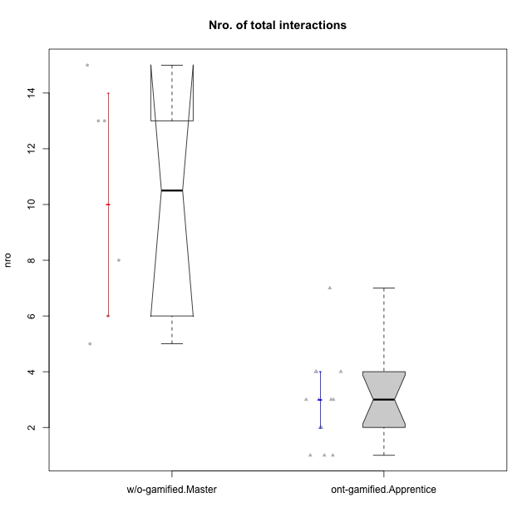

Wilcoxon data
UserID | NroUSP | Type | CLRole | PlayerRole | CLGroup | Group | ParticipationLevel | NroTotalInteractions | NroNecessaryInteractions | (1) Elaborar lista de exercícios | (2) Demonstrar a solução de um problema | (3) Enviar (ou reenviar) a solução do problema | (c) Aceitar a solução como boa | NroSolutionReviewed (Apprentice) | NroSolutionReviewed (Master) | NroSolutionWithoutReviewed (Apprentice) | NroSolutionWithoutReviewed (Master) | NroSolutionGoodReview | NroDesiredInteractions | (a) Expressar dúvidas em relação à demonstração | (b) Esclarecer as dúvidas | (d) Notificar os erros existentes na solução | (e) Apresentar dicas ou otra forma de ajuda | (f) Expressar dificuldade em resolver o problema | (g) Explicar como resolver o problema
10174 | 10276852 | w/o-gamified | Master |  | Grupo7 | Grupo7 | complete | 8 | 8 | 1 | 1 | 0 | 6 | 0 | 6 | 0 | 0 | 0 | 0 | 0 | 0 | 0 | 0 | 0 | 0
10178 | 8656201 | ont-gamified | Apprentice | Social Achiever | Outlaws | Outlaws | semicomplete | 1 | 1 | 0 | 0 | 1 | 0 | 1 | 0 | 0 | 0 | 1 | 0 | 0 | 0 | 0 | 0 | 0 | 0
10179 | 10310759 | w/o-gamified | Master |  | Grupo10 | Grupo10 | semicomplete | 15 | 8 | 1 | 1 | 0 | 6 | 0 | 9 | 0 | 1 | 0 | 7 | 0 | 1 | 2 | 2 | 0 | 2
10186 | 10310551 | ont-gamified | Apprentice | Social Achiever | Slayers | Slayers | semicomplete | 4 | 3 | 0 | 0 | 3 | 0 | 1 | 0 | 2 | 0 | 1 | 1 | 1 | 0 | 0 | 0 | 0 | 0
10187 | 9790781 | ont-gamified | Apprentice | Social Achiever | Mafia | Mafia | incomplete | 1 | 1 | 0 | 0 | 1 | 0 | 1 | 0 | 0 | 0 | 0 | 0 | 0 | 0 | 0 | 0 | 0 | 0
10189 | 9363926 | ont-gamified | Apprentice | Social Achiever | Vikings | Vikings | incomplete | 3 | 1 | 0 | 0 | 1 | 0 | 1 | 0 | 0 | 0 | 0 | 2 | 2 | 0 | 0 | 0 | 0 | 0
10191 | 10276981 | w/o-gamified | Master |  | Grupo1 | Grupo1 | complete | 6 | 4 | 1 | 1 | 0 | 2 | 0 | 3 | 0 | 0 | 0 | 2 | 0 | 0 | 1 | 1 | 0 | 0
10192 | 10276682 | ont-gamified | Apprentice | Social Achiever | Attractive Devils | Attractive Devils | incomplete | 1 | 1 | 0 | 0 | 1 | 0 | 1 | 0 | 0 | 0 | 0 | 0 | 0 | 0 | 0 | 0 | 0 | 0
10193 | 10276762 | ont-gamified | Apprentice | Yee Achiever | Vandals | Vandals | complete | 3 | 3 | 0 | 0 | 3 | 0 | 2 | 0 | 1 | 0 | 2 | 0 | 0 | 0 | 0 | 0 | 0 | 0
10196 | 10310655 | w/o-gamified | Master |  | Grupo11 | Grupo11 | complete | 13 | 10 | 2 | 2 | 0 | 6 | 0 | 6 | 0 | 0 | 0 | 3 | 0 | 1 | 1 | 1 | 0 | 0
10198 | 10310888 | ont-gamified | Apprentice | Social Achiever | Attractive Devils | Attractive Devils | complete | 4 | 3 | 0 | 0 | 3 | 0 | 3 | 0 | 0 | 0 | 2 | 1 | 1 | 0 | 0 | 0 | 0 | 0
10200 | 9795272 | ont-gamified | Apprentice | Social Achiever | Warriors | Warriors | complete | 4 | 3 | 0 | 0 | 3 | 0 | 3 | 0 | 0 | 0 | 3 | 1 | 1 | 0 | 0 | 0 | 0 | 0
10202 | 10277036 | ont-gamified | Apprentice | Social Achiever | Silly Knights | Silly Knights | complete | 7 | 6 | 0 | 0 | 6 | 0 | 5 | 0 | 1 | 0 | 2 | 1 | 0 | 0 | 0 | 0 | 1 | 0
10203 | 9921470 | ont-gamified | Apprentice | Social Achiever | Mercenaries | Mercenaries | complete | 2 | 2 | 0 | 0 | 2 | 0 | 2 | 0 | 0 | 0 | 2 | 0 | 0 | 0 | 0 | 0 | 0 | 0
10209 | 10262669 | ont-gamified | Apprentice | Social Achiever | Mafia | Mafia | complete | 3 | 3 | 0 | 0 | 3 | 0 | 3 | 0 | 0 | 0 | 2 | 0 | 0 | 0 | 0 | 0 | 0 | 0
10214 | 10277022 | ont-gamified | Apprentice | Social Achiever | Vikings | Vikings | complete | 3 | 3 | 0 | 0 | 3 | 0 | 3 | 0 | 0 | 0 | 3 | 0 | 0 | 0 | 0 | 0 | 0 | 0
10219 | 10276831 | w/o-gamified | Master |  | Grupo3 | Grupo3 | semicomplete | 5 | 5 | 1 | 1 | 0 | 3 | 0 | 3 | 0 | 1 | 0 | 0 | 0 | 0 | 0 | 0 | 0 | 0
10231 | 10276911 | w/o-gamified | Master |  | Grupo9 | Grupo9 | complete | 13 | 6 | 1 | 1 | 0 | 4 | 0 | 6 | 0 | 0 | 0 | 7 | 0 | 0 | 2 | 5 | 0 | 0
10237 | 10377688 | ont-gamified | Apprentice | Social Achiever | Outlaws | Outlaws | complete | 2 | 2 | 0 | 0 | 2 | 0 | 2 | 0 | 0 | 0 | 2 | 0 | 0 | 0 | 0 | 0 | 0 | 0

Type_CLRole_4
Wilcoxon Analysis for Nro. of total interactions in Type:CLRole between ont-gamified.Master:w/o-gamified.Apprentice

Wilcoxon test results
Alternative hypothesis: less
Group | N | Median | Mean.Ranks | Sum.Ranks | U | Z | p.value | r | magnitude
ont-gamified.Master | 9 | 7 | 14.888888889 | 134 | 89 | 3.0494980709 | 0.9995832341 | 0.68188849837 | large
w/o-gamified.Apprentice | 11 | 3 | 6.9090909091 | 76 | 89 | 3.0494980709 | 0.9995832341 | 0.68188849837 | large
Alternative hypothesis: greater
Group | N | Median | Mean.Ranks | Sum.Ranks | U | Z | p.value | r | magnitude
ont-gamified.Master | 9 | 7 | 14.888888889 | 134 | 89 | 3.0494980709 | 0.00047630388188 | 0.68188849837 | large
w/o-gamified.Apprentice | 11 | 3 | 6.9090909091 | 76 | 89 | 3.0494980709 | 0.00047630388188 | 0.68188849837 | large
Alternative hypothesis: two.sided
Group | N | Median | Mean.Ranks | Sum.Ranks | U | Z | p.value | r | magnitude
ont-gamified.Master | 9 | 7 | 14.888888889 | 134 | 89 | 3.0494980709 | 0.00098833055489 | 0.68188849837 | large
w/o-gamified.Apprentice | 11 | 3 | 6.9090909091 | 76 | 89 | 3.0494980709 | 0.00098833055489 | 0.68188849837 | large

Box plots for wilcoxon tests
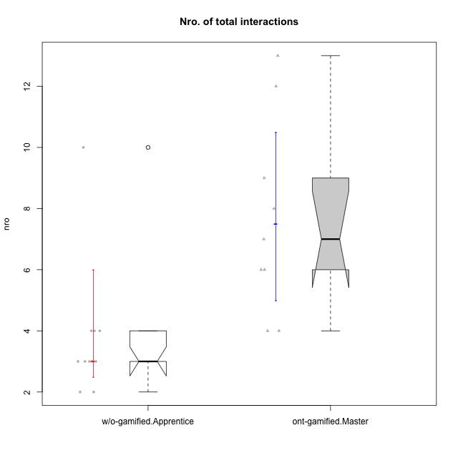

Wilcoxon data
UserID | NroUSP | Type | CLRole | PlayerRole | CLGroup | Group | ParticipationLevel | NroTotalInteractions | NroNecessaryInteractions | (1) Elaborar lista de exercícios | (2) Demonstrar a solução de um problema | (3) Enviar (ou reenviar) a solução do problema | (c) Aceitar a solução como boa | NroSolutionReviewed (Apprentice) | NroSolutionReviewed (Master) | NroSolutionWithoutReviewed (Apprentice) | NroSolutionWithoutReviewed (Master) | NroSolutionGoodReview | NroDesiredInteractions | (a) Expressar dúvidas em relação à demonstração | (b) Esclarecer as dúvidas | (d) Notificar os erros existentes na solução | (e) Apresentar dicas ou otra forma de ajuda | (f) Expressar dificuldade em resolver o problema | (g) Explicar como resolver o problema
10170 | 10260351 | w/o-gamified | Apprentice |  | Grupo11 | Grupo11 | complete | 4 | 3 | 0 | 0 | 3 | 0 | 3 | 0 | 0 | 0 | 3 | 1 | 1 | 0 | 0 | 0 | 0 | 0
10171 | 698531 | ont-gamified | Master | Social Achiever | Mafia | Mafia | complete | 13 | 4 | 1 | 1 | 0 | 2 | 0 | 4 | 0 | 0 | 0 | 9 | 0 | 0 | 2 | 7 | 0 | 0
10175 | 10310700 | ont-gamified | Master | Social Achiever | Warriors | Warriors | complete | 12 | 7 | 1 | 1 | 0 | 5 | 0 | 5 | 0 | 0 | 0 | 5 | 0 | 1 | 1 | 3 | 0 | 0
10176 | 10276949 | ont-gamified | Master | Social Achiever | Outlaws | Outlaws | complete | 6 | 5 | 1 | 1 | 0 | 3 | 0 | 3 | 0 | 0 | 0 | 1 | 0 | 0 | 1 | 0 | 0 | 0
10183 | 10352030 | w/o-gamified | Apprentice |  | Grupo3 | Grupo3 | incomplete | 2 | 1 | 0 | 0 | 1 | 0 | 0 | 0 | 1 | 0 | 0 | 1 | 1 | 0 | 0 | 0 | 0 | 0
10184 | 10276675 | w/o-gamified | Apprentice |  | Grupo10 | Grupo10 | complete | 10 | 7 | 0 | 0 | 7 | 0 | 7 | 0 | 0 | 0 | 4 | 3 | 1 | 0 | 0 | 0 | 2 | 0
10185 | 10276960 | w/o-gamified | Apprentice |  | Grupo9 | Grupo9 | incomplete | 2 | 2 | 0 | 0 | 2 | 0 | 2 | 0 | 0 | 0 | 0 | 0 | 0 | 0 | 0 | 0 | 0 | 0
10188 | 10276995 | ont-gamified | Master | Yee Achiever | Vandals | Vandals | semicomplete | 4 | 4 | 1 | 1 | 0 | 2 | 0 | 2 | 0 | 1 | 0 | 0 | 0 | 0 | 0 | 0 | 0 | 0
10197 | 10276661 | w/o-gamified | Apprentice |  | Grupo8 | Grupo8 | complete | 3 | 2 | 0 | 0 | 2 | 0 | 2 | 0 | 0 | 0 | 2 | 1 | 1 | 0 | 0 | 0 | 0 | 0
10201 | 10276928 | w/o-gamified | Apprentice |  | Grupo11 | Grupo11 | complete | 3 | 3 | 0 | 0 | 3 | 0 | 3 | 0 | 0 | 0 | 3 | 0 | 0 | 0 | 0 | 0 | 0 | 0
10206 | 10310721 | w/o-gamified | Apprentice |  | Grupo8 | Grupo8 | complete | 3 | 3 | 0 | 0 | 3 | 0 | 3 | 0 | 0 | 0 | 2 | 0 | 0 | 0 | 0 | 0 | 0 | 0
10208 | 10276932 | ont-gamified | Master | Social Achiever | Mercenaries | Mercenaries | complete | 6 | 6 | 1 | 1 | 0 | 4 | 0 | 3 | 0 | 0 | 0 | 0 | 0 | 0 | 0 | 0 | 0 | 0
10211 | 9311643 | ont-gamified | Master | Social Achiever | Attractive Devils | Attractive Devils | complete | 7 | 4 | 1 | 1 | 0 | 2 | 0 | 4 | 0 | 0 | 0 | 3 | 0 | 1 | 2 | 0 | 0 | 0
10213 | 10277040 | w/o-gamified | Apprentice |  | Grupo7 | Grupo7 | complete | 4 | 3 | 0 | 0 | 3 | 0 | 3 | 0 | 0 | 0 | 3 | 1 | 1 | 0 | 0 | 0 | 0 | 0
10216 | 10276720 | ont-gamified | Master | Social Achiever | Silly Knights | Silly Knights | semicomplete | 8 | 4 | 1 | 1 | 0 | 2 | 0 | 5 | 0 | 1 | 0 | 4 | 0 | 0 | 0 | 4 | 0 | 0
10217 | 9805341 | w/o-gamified | Apprentice |  | Grupo9 | Grupo9 | complete | 4 | 4 | 0 | 0 | 4 | 0 | 4 | 0 | 0 | 0 | 4 | 0 | 0 | 0 | 0 | 0 | 0 | 0
10218 | 9842913 | w/o-gamified | Apprentice |  | Grupo10 | Grupo10 | complete | 3 | 3 | 0 | 0 | 3 | 0 | 2 | 0 | 1 | 0 | 2 | 0 | 0 | 0 | 0 | 0 | 0 | 0
10223 | 9795185 | ont-gamified | Master | Social Achiever | Slayers | Slayers | semicomplete | 4 | 3 | 1 | 1 | 0 | 1 | 0 | 1 | 0 | 2 | 0 | 1 | 0 | 1 | 0 | 0 | 0 | 0
10230 | 10351992 | ont-gamified | Master | Social Achiever | Resistance | Resistance | complete | 9 | 5 | 1 | 1 | 0 | 3 | 0 | 2 | 0 | 0 | 0 | 4 | 0 | 0 | 2 | 2 | 0 | 0
10232 | 10276974 | w/o-gamified | Apprentice |  | Grupo7 | Grupo7 | complete | 3 | 3 | 0 | 0 | 3 | 0 | 3 | 0 | 0 | 0 | 3 | 0 | 0 | 0 | 0 | 0 | 0 | 0

Type_CLRole_5
Wilcoxon Analysis for Nro. of total interactions in Type:CLRole between ont-gamified.Master:w/o-gamified.Master

Wilcoxon test results
Alternative hypothesis: less
Group | N | Median | Mean.Ranks | Sum.Ranks | U | Z | p.value | r | magnitude
ont-gamified.Master | 9 | 7 | 6.9444444444 | 62.5 | 17.5 | -1.129717941 | 0.14405594406 | 0.2916919181 | small
w/o-gamified.Master | 6 | 10.5 | 9.5833333333 | 57.5 | 17.5 | -1.129717941 | 0.14405594406 | 0.2916919181 | small
Alternative hypothesis: greater
Group | N | Median | Mean.Ranks | Sum.Ranks | U | Z | p.value | r | magnitude
ont-gamified.Master | 9 | 7 | 6.9444444444 | 62.5 | 17.5 | -1.129717941 | 0.87632367632 | 0.2916919181 | small
w/o-gamified.Master | 6 | 10.5 | 9.5833333333 | 57.5 | 17.5 | -1.129717941 | 0.87632367632 | 0.2916919181 | small
Alternative hypothesis: two.sided
Group | N | Median | Mean.Ranks | Sum.Ranks | U | Z | p.value | r | magnitude
ont-gamified.Master | 9 | 7 | 6.9444444444 | 62.5 | 17.5 | -1.129717941 | 0.28531468531 | 0.2916919181 | small
w/o-gamified.Master | 6 | 10.5 | 9.5833333333 | 57.5 | 17.5 | -1.129717941 | 0.28531468531 | 0.2916919181 | small

Box plots for wilcoxon tests
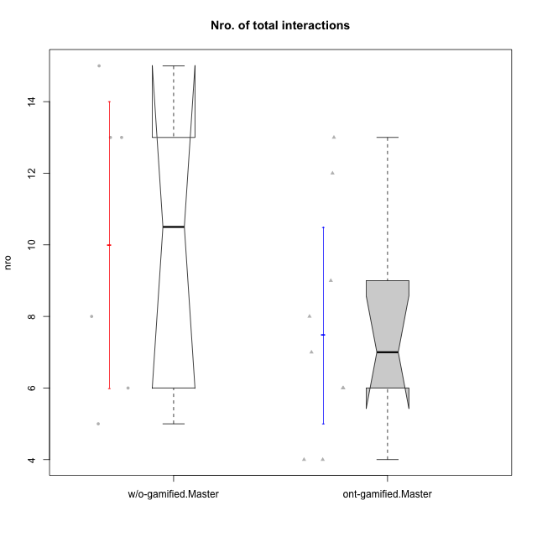

Wilcoxon data
UserID | NroUSP | Type | CLRole | PlayerRole | CLGroup | Group | ParticipationLevel | NroTotalInteractions | NroNecessaryInteractions | (1) Elaborar lista de exercícios | (2) Demonstrar a solução de um problema | (3) Enviar (ou reenviar) a solução do problema | (c) Aceitar a solução como boa | NroSolutionReviewed (Apprentice) | NroSolutionReviewed (Master) | NroSolutionWithoutReviewed (Apprentice) | NroSolutionWithoutReviewed (Master) | NroSolutionGoodReview | NroDesiredInteractions | (a) Expressar dúvidas em relação à demonstração | (b) Esclarecer as dúvidas | (d) Notificar os erros existentes na solução | (e) Apresentar dicas ou otra forma de ajuda | (f) Expressar dificuldade em resolver o problema | (g) Explicar como resolver o problema
10171 | 698531 | ont-gamified | Master | Social Achiever | Mafia | Mafia | complete | 13 | 4 | 1 | 1 | 0 | 2 | 0 | 4 | 0 | 0 | 0 | 9 | 0 | 0 | 2 | 7 | 0 | 0
10174 | 10276852 | w/o-gamified | Master |  | Grupo7 | Grupo7 | complete | 8 | 8 | 1 | 1 | 0 | 6 | 0 | 6 | 0 | 0 | 0 | 0 | 0 | 0 | 0 | 0 | 0 | 0
10175 | 10310700 | ont-gamified | Master | Social Achiever | Warriors | Warriors | complete | 12 | 7 | 1 | 1 | 0 | 5 | 0 | 5 | 0 | 0 | 0 | 5 | 0 | 1 | 1 | 3 | 0 | 0
10176 | 10276949 | ont-gamified | Master | Social Achiever | Outlaws | Outlaws | complete | 6 | 5 | 1 | 1 | 0 | 3 | 0 | 3 | 0 | 0 | 0 | 1 | 0 | 0 | 1 | 0 | 0 | 0
10179 | 10310759 | w/o-gamified | Master |  | Grupo10 | Grupo10 | semicomplete | 15 | 8 | 1 | 1 | 0 | 6 | 0 | 9 | 0 | 1 | 0 | 7 | 0 | 1 | 2 | 2 | 0 | 2
10188 | 10276995 | ont-gamified | Master | Yee Achiever | Vandals | Vandals | semicomplete | 4 | 4 | 1 | 1 | 0 | 2 | 0 | 2 | 0 | 1 | 0 | 0 | 0 | 0 | 0 | 0 | 0 | 0
10191 | 10276981 | w/o-gamified | Master |  | Grupo1 | Grupo1 | complete | 6 | 4 | 1 | 1 | 0 | 2 | 0 | 3 | 0 | 0 | 0 | 2 | 0 | 0 | 1 | 1 | 0 | 0
10196 | 10310655 | w/o-gamified | Master |  | Grupo11 | Grupo11 | complete | 13 | 10 | 2 | 2 | 0 | 6 | 0 | 6 | 0 | 0 | 0 | 3 | 0 | 1 | 1 | 1 | 0 | 0
10208 | 10276932 | ont-gamified | Master | Social Achiever | Mercenaries | Mercenaries | complete | 6 | 6 | 1 | 1 | 0 | 4 | 0 | 3 | 0 | 0 | 0 | 0 | 0 | 0 | 0 | 0 | 0 | 0
10211 | 9311643 | ont-gamified | Master | Social Achiever | Attractive Devils | Attractive Devils | complete | 7 | 4 | 1 | 1 | 0 | 2 | 0 | 4 | 0 | 0 | 0 | 3 | 0 | 1 | 2 | 0 | 0 | 0
10216 | 10276720 | ont-gamified | Master | Social Achiever | Silly Knights | Silly Knights | semicomplete | 8 | 4 | 1 | 1 | 0 | 2 | 0 | 5 | 0 | 1 | 0 | 4 | 0 | 0 | 0 | 4 | 0 | 0
10219 | 10276831 | w/o-gamified | Master |  | Grupo3 | Grupo3 | semicomplete | 5 | 5 | 1 | 1 | 0 | 3 | 0 | 3 | 0 | 1 | 0 | 0 | 0 | 0 | 0 | 0 | 0 | 0
10223 | 9795185 | ont-gamified | Master | Social Achiever | Slayers | Slayers | semicomplete | 4 | 3 | 1 | 1 | 0 | 1 | 0 | 1 | 0 | 2 | 0 | 1 | 0 | 1 | 0 | 0 | 0 | 0
10230 | 10351992 | ont-gamified | Master | Social Achiever | Resistance | Resistance | complete | 9 | 5 | 1 | 1 | 0 | 3 | 0 | 2 | 0 | 0 | 0 | 4 | 0 | 0 | 2 | 2 | 0 | 0
10231 | 10276911 | w/o-gamified | Master |  | Grupo9 | Grupo9 | complete | 13 | 6 | 1 | 1 | 0 | 4 | 0 | 6 | 0 | 0 | 0 | 7 | 0 | 0 | 2 | 5 | 0 | 0

Type_CLRole_6
Wilcoxon Analysis for Nro. of total interactions in Type:CLRole between w/o-gamified.Apprentice:w/o-gamified.Master

Wilcoxon test results
Alternative hypothesis: less
Group | N | Median | Mean.Ranks | Sum.Ranks | U | Z | p.value | r | magnitude
w/o-gamified.Apprentice | 11 | 3 | 6.2727272727 | 69 | 3 | -3.0643275881 | 0.00056561085973 | 0.7432086069 | large
w/o-gamified.Master | 6 | 10.5 | 14 | 84 | 3 | -3.0643275881 | 0.00056561085973 | 0.7432086069 | large
Alternative hypothesis: greater
Group | N | Median | Mean.Ranks | Sum.Ranks | U | Z | p.value | r | magnitude
w/o-gamified.Apprentice | 11 | 3 | 6.2727272727 | 69 | 3 | -3.0643275881 | 0.99975759535 | 0.7432086069 | large
w/o-gamified.Master | 6 | 10.5 | 14 | 84 | 3 | -3.0643275881 | 0.99975759535 | 0.7432086069 | large
Alternative hypothesis: two.sided
Group | N | Median | Mean.Ranks | Sum.Ranks | U | Z | p.value | r | magnitude
w/o-gamified.Apprentice | 11 | 3 | 6.2727272727 | 69 | 3 | -3.0643275881 | 0.00096961861668 | 0.7432086069 | large
w/o-gamified.Master | 6 | 10.5 | 14 | 84 | 3 | -3.0643275881 | 0.00096961861668 | 0.7432086069 | large

Box plots for wilcoxon tests
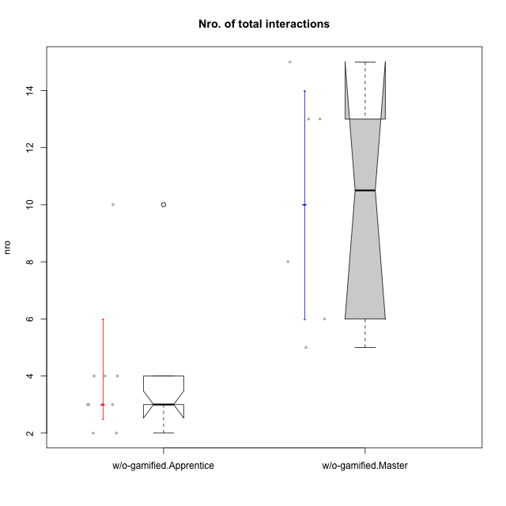

Wilcoxon data
UserID | NroUSP | Type | CLRole | PlayerRole | CLGroup | Group | ParticipationLevel | NroTotalInteractions | NroNecessaryInteractions | (1) Elaborar lista de exercícios | (2) Demonstrar a solução de um problema | (3) Enviar (ou reenviar) a solução do problema | (c) Aceitar a solução como boa | NroSolutionReviewed (Apprentice) | NroSolutionReviewed (Master) | NroSolutionWithoutReviewed (Apprentice) | NroSolutionWithoutReviewed (Master) | NroSolutionGoodReview | NroDesiredInteractions | (a) Expressar dúvidas em relação à demonstração | (b) Esclarecer as dúvidas | (d) Notificar os erros existentes na solução | (e) Apresentar dicas ou otra forma de ajuda | (f) Expressar dificuldade em resolver o problema | (g) Explicar como resolver o problema
10170 | 10260351 | w/o-gamified | Apprentice |  | Grupo11 | Grupo11 | complete | 4 | 3 | 0 | 0 | 3 | 0 | 3 | 0 | 0 | 0 | 3 | 1 | 1 | 0 | 0 | 0 | 0 | 0
10174 | 10276852 | w/o-gamified | Master |  | Grupo7 | Grupo7 | complete | 8 | 8 | 1 | 1 | 0 | 6 | 0 | 6 | 0 | 0 | 0 | 0 | 0 | 0 | 0 | 0 | 0 | 0
10179 | 10310759 | w/o-gamified | Master |  | Grupo10 | Grupo10 | semicomplete | 15 | 8 | 1 | 1 | 0 | 6 | 0 | 9 | 0 | 1 | 0 | 7 | 0 | 1 | 2 | 2 | 0 | 2
10183 | 10352030 | w/o-gamified | Apprentice |  | Grupo3 | Grupo3 | incomplete | 2 | 1 | 0 | 0 | 1 | 0 | 0 | 0 | 1 | 0 | 0 | 1 | 1 | 0 | 0 | 0 | 0 | 0
10184 | 10276675 | w/o-gamified | Apprentice |  | Grupo10 | Grupo10 | complete | 10 | 7 | 0 | 0 | 7 | 0 | 7 | 0 | 0 | 0 | 4 | 3 | 1 | 0 | 0 | 0 | 2 | 0
10185 | 10276960 | w/o-gamified | Apprentice |  | Grupo9 | Grupo9 | incomplete | 2 | 2 | 0 | 0 | 2 | 0 | 2 | 0 | 0 | 0 | 0 | 0 | 0 | 0 | 0 | 0 | 0 | 0
10191 | 10276981 | w/o-gamified | Master |  | Grupo1 | Grupo1 | complete | 6 | 4 | 1 | 1 | 0 | 2 | 0 | 3 | 0 | 0 | 0 | 2 | 0 | 0 | 1 | 1 | 0 | 0
10196 | 10310655 | w/o-gamified | Master |  | Grupo11 | Grupo11 | complete | 13 | 10 | 2 | 2 | 0 | 6 | 0 | 6 | 0 | 0 | 0 | 3 | 0 | 1 | 1 | 1 | 0 | 0
10197 | 10276661 | w/o-gamified | Apprentice |  | Grupo8 | Grupo8 | complete | 3 | 2 | 0 | 0 | 2 | 0 | 2 | 0 | 0 | 0 | 2 | 1 | 1 | 0 | 0 | 0 | 0 | 0
10201 | 10276928 | w/o-gamified | Apprentice |  | Grupo11 | Grupo11 | complete | 3 | 3 | 0 | 0 | 3 | 0 | 3 | 0 | 0 | 0 | 3 | 0 | 0 | 0 | 0 | 0 | 0 | 0
10206 | 10310721 | w/o-gamified | Apprentice |  | Grupo8 | Grupo8 | complete | 3 | 3 | 0 | 0 | 3 | 0 | 3 | 0 | 0 | 0 | 2 | 0 | 0 | 0 | 0 | 0 | 0 | 0
10213 | 10277040 | w/o-gamified | Apprentice |  | Grupo7 | Grupo7 | complete | 4 | 3 | 0 | 0 | 3 | 0 | 3 | 0 | 0 | 0 | 3 | 1 | 1 | 0 | 0 | 0 | 0 | 0
10217 | 9805341 | w/o-gamified | Apprentice |  | Grupo9 | Grupo9 | complete | 4 | 4 | 0 | 0 | 4 | 0 | 4 | 0 | 0 | 0 | 4 | 0 | 0 | 0 | 0 | 0 | 0 | 0
10218 | 9842913 | w/o-gamified | Apprentice |  | Grupo10 | Grupo10 | complete | 3 | 3 | 0 | 0 | 3 | 0 | 2 | 0 | 1 | 0 | 2 | 0 | 0 | 0 | 0 | 0 | 0 | 0
10219 | 10276831 | w/o-gamified | Master |  | Grupo3 | Grupo3 | semicomplete | 5 | 5 | 1 | 1 | 0 | 3 | 0 | 3 | 0 | 1 | 0 | 0 | 0 | 0 | 0 | 0 | 0 | 0
10231 | 10276911 | w/o-gamified | Master |  | Grupo9 | Grupo9 | complete | 13 | 6 | 1 | 1 | 0 | 4 | 0 | 6 | 0 | 0 | 0 | 7 | 0 | 0 | 2 | 5 | 0 | 0
10232 | 10276974 | w/o-gamified | Apprentice |  | Grupo7 | Grupo7 | complete | 3 | 3 | 0 | 0 | 3 | 0 | 3 | 0 | 0 | 0 | 3 | 0 | 0 | 0 | 0 | 0 | 0 | 0

