Assumptions
ANOVA assumptions for Improv of Prog Skill in Recursion

Shapiro-Wilk normality test for Improv of Prog Skill in Recursion
W | p.value
0.97694812849 | 0.67444932163

Plots for normality test
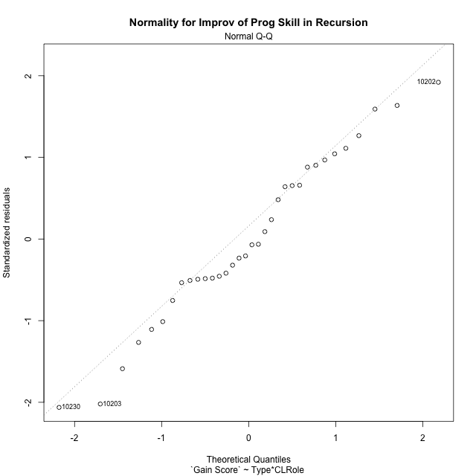

Levene's Test for Homogeneity of Variance in Improv of Prog Skill in Recursion
Df | F value | Pr(>F)
3 | 1.3276651849 | 0.28380243637
30

Plots for homogeneity of variance
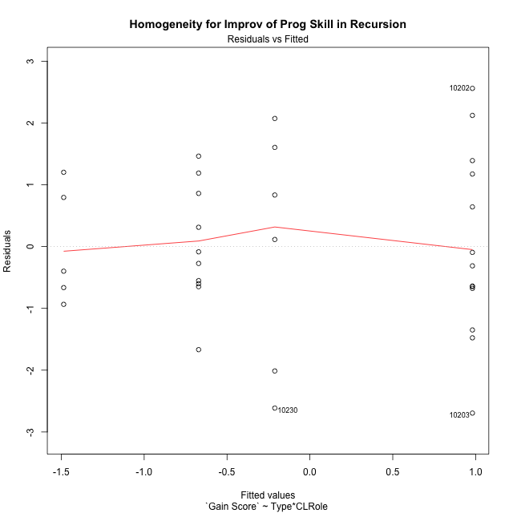

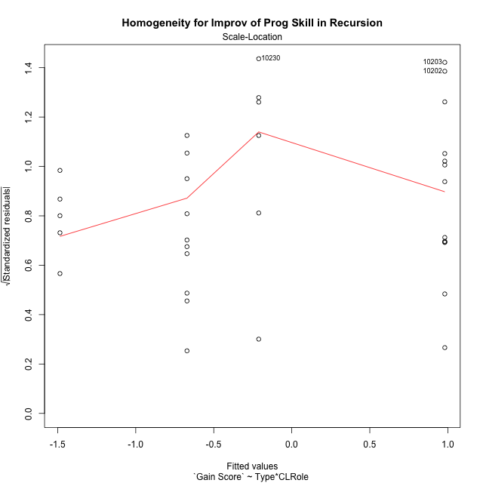

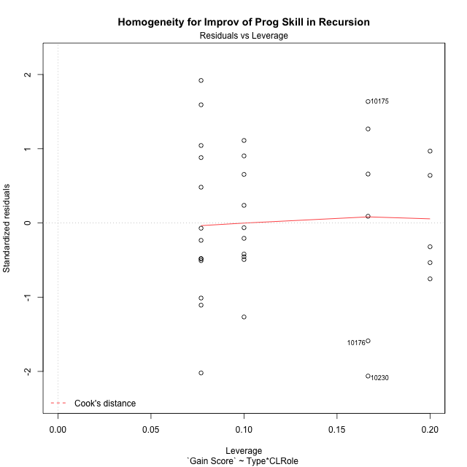

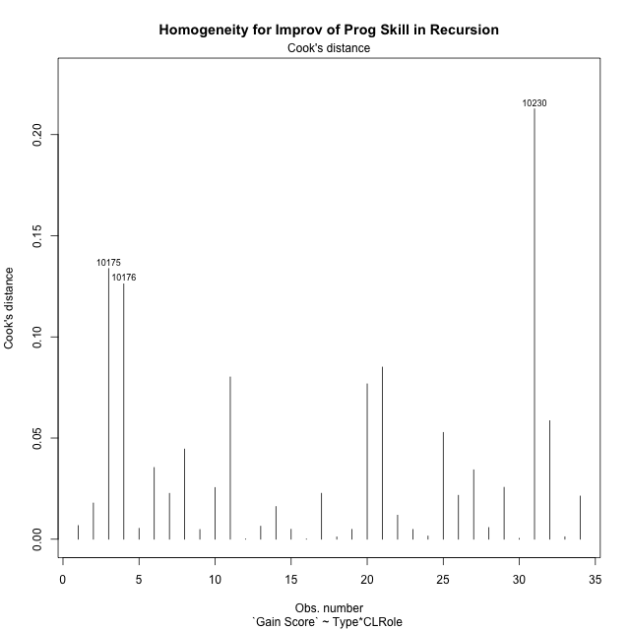

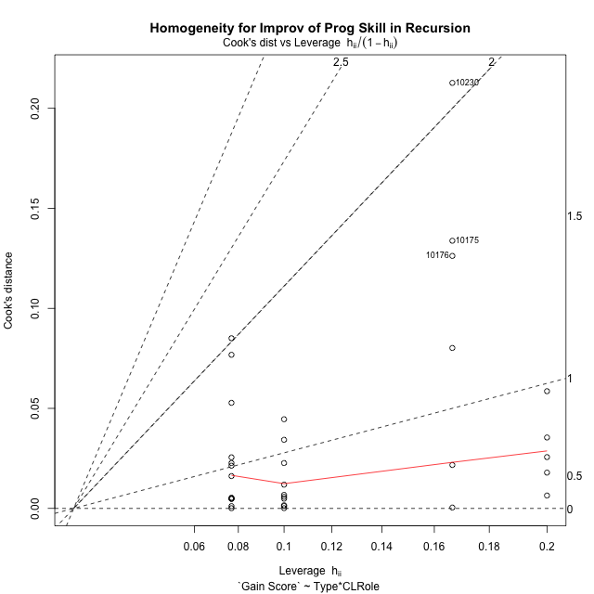

Minimum Sample Size Test for Improv of Prog Skill in Recursion
Type | CLRole | Freq
ont-gamified | Apprentice | 13
w/o-gamified | Apprentice | 10
ont-gamified | Master | 6
w/o-gamified | Master | 5

Errors and Warnings in Sample Size Test for ANOVA in Improv of Prog Skill in Recursion
code | description
WARN: sample.size | current size is 13 and recommended size is 15 for the group: 'ont-gamified:Apprentice'.
WARN: sample.size | current size is 10 and recommended size is 15 for the group: 'w/o-gamified:Apprentice'.
WARN: sample.size | current size is 6 and recommended size is 15 for the group: 'ont-gamified:Master'.
WARN: sample.size | current size is 5 and recommended size is 15 for the group: 'w/o-gamified:Master'.

For the group: 'ont-gamified:Apprentice', we recommend the use of non-parametric test. For the group: 'w/o-gamified:Apprentice', we recommend the use of non-parametric test. For the group: 'ont-gamified:Master', we recommend the use of non-parametric test. For the group: 'w/o-gamified:Master', we recommend the use of non-parametric test.

If you don't want to remove non-normal data, you must cite the following references: ... (1) Lix, L.M., J.C. Keselman, and H.J. Keselman. 1996. Consequences of assumption violations revisited: A quantitative review of alternatives to the one-way analysis of variance F test. Rev. Educ. Res. 66: 579-619. ... (2) Harwell, M.R., E.N. Rubinstein, W.S. Hayes, and C.C. Olds. 1992. Summarizing Monte Carlo results in methodological research: the one- and two-factor fixed effects ANOVA cases. J. Educ. Stat. 17: 315-339.

Post-hoc
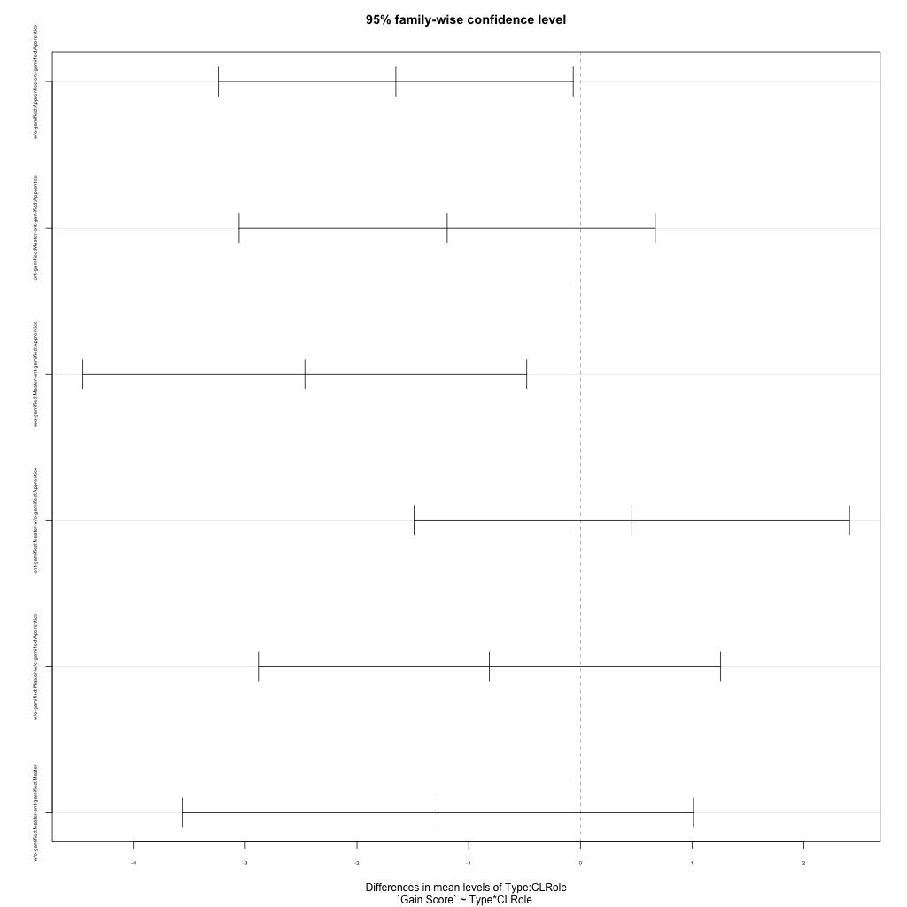
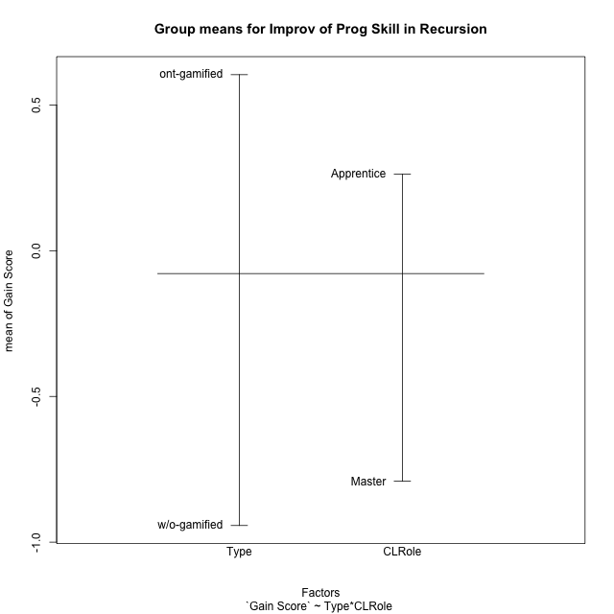
Post-hoc Tukey Honestly Significant Difference (HSD) Test for Improv of Prog Skill in Recursion

Comparisons of means for Type
 | diff | lwr | upr | p adj
w/o-gamified-ont-gamified | -1.5469117627 | -2.5260087794 | -0.56781474599 | 0.0030232322268

Comparisons of means for CLRole
 | diff | lwr | upr | p adj
Master-Apprentice | -1.0225864867 | -2.0617595882 | 0.016586614784 | 0.053534611256

Comparisons of means for Type:CLRole
 | diff | lwr | upr | p adj
w/o-gamified:Apprentice-ont-gamified:Apprentice | -1.6520243645 | -3.2395251082 | -0.064523620804 | 0.038964869663
ont-gamified:Master-ont-gamified:Apprentice | -1.1923701299 | -3.0551056439 | 0.67036538417 | 0.32130042755
w/o-gamified:Master-ont-gamified:Apprentice | -2.4663003663 | -4.4524010907 | -0.48019964195 | 0.010438229668
ont-gamified:Master-w/o-gamified:Apprentice | 0.45965423465 | -1.489319838 | 2.4086283073 | 0.91774146055
w/o-gamified:Master-w/o-gamified:Apprentice | -0.81427600178 | -2.8814751765 | 1.2529231729 | 0.70943942841
w/o-gamified:Master-ont-gamified:Master | -1.2739302364 | -3.5593049129 | 1.01144444 | 0.44102349009

Contrast Matrices for Improv of Prog Skill in Recursion - Type
contrast | estimate | SE | df | t.ratio | p.value
ont-gamified - w/o-gamified | 1.4629773005 | 0.51168260125 | 30 | 2.8591499826 | 0.0076559091709

Contrast Matrices for Improv of Prog Skill in Recursion - Type:CLRole
contrast | CLRole | estimate | SE | df | t.ratio | p.value
ont-gamified - w/o-gamified | Apprentice | 1.6520243645 | 0.58383114684 | 30 | 2.8296269794 | 0.0082330372241
ont-gamified - w/o-gamified | Master | 1.2739302364 | 0.84048648392 | 30 | 1.5157057975 | 0.14006069785

Least Squares Means and Confidence Intervals for Type
Type | lsmean | SE | df | lower.CL | upper.CL | Pairs
ont-gamified | 0.38438991564 | 0.34252677226 | 30 | -0.3151430769 | 1.0839229082 | ont-gamified
w/o-gamified | -1.0785873848 | 0.3801243148 | 30 | -1.8549048029 | -0.30226996675 | w/o-gamified

Least Squares Means and Confidence Intervals for Type:CLRole
Type | CLRole | lsmean | SE | df | lower.CL | upper.CL | Pairs
ont-gamified | Apprentice | 0.98057498057 | 0.38496685798 | 30 | 0.19436776992 | 1.7667821912 | ont-gamified.Apprentice
w/o-gamified | Apprentice | -0.67144938395 | 0.43892975095 | 30 | -1.5678635246 | 0.22496475667 | w/o-gamified.Apprentice
ont-gamified | Master | -0.2117951493 | 0.56665587186 | 30 | -1.3690608286 | 0.94547053001 | ont-gamified.Master
w/o-gamified | Master | -1.4857253857 | 0.62074040673 | 30 | -2.7534464209 | -0.21800435056 | w/o-gamified.Master

Plots

Type_1
Student's t-Test for Improv of Prog Skill in Recursion in Type between ont-gamified:w/o-gamified

Student's t-Test results
Alternative hypothesis: less
Group | N | Mean | Mean.Difference | Std.deviation | Std.error | CI.lower | CI.upper | df | t.value | p.value | g | magnitude
ont-gamified | 19 | 0.60403704483 | 1.5469117627 | 1.6954412378 | 0.3889608958 | -0.17388474677 | 1.3819588364 | 29.94166835 | 3.3097162673 | 0.99877972979 | 1.0529274231 | large
w/o-gamified | 15 | -0.94287471787 | -1.5469117627 | 1.0036794821 | 0.25914892795 | -1.4611725738 | -0.42457686197 | 29.94166835 | 3.3097162673 | 0.99877972979 | 1.0529274231 | large
Alternative hypothesis: greater
Group | N | Mean | Mean.Difference | Std.deviation | Std.error | CI.lower | CI.upper | df | t.value | p.value | g | magnitude
ont-gamified | 19 | 0.60403704483 | 1.5469117627 | 1.6954412378 | 0.3889608958 | -0.17388474677 | 1.3819588364 | 29.94166835 | 3.3097162673 | 0.0012202702141 | 1.0529274231 | large
w/o-gamified | 15 | -0.94287471787 | -1.5469117627 | 1.0036794821 | 0.25914892795 | -1.4611725738 | -0.42457686197 | 29.94166835 | 3.3097162673 | 0.0012202702141 | 1.0529274231 | large
Alternative hypothesis: two.sided
Group | N | Mean | Mean.Difference | Std.deviation | Std.error | CI.lower | CI.upper | df | t.value | p.value | g | magnitude
ont-gamified | 19 | 0.60403704483 | 1.5469117627 | 1.6954412378 | 0.3889608958 | -0.17388474677 | 1.3819588364 | 29.94166835 | 3.3097162673 | 0.0024405404283 | 1.0529274231 | large
w/o-gamified | 15 | -0.94287471787 | -1.5469117627 | 1.0036794821 | 0.25914892795 | -1.4611725738 | -0.42457686197 | 29.94166835 | 3.3097162673 | 0.0024405404283 | 1.0529274231 | large

Box plots for Student's t-Test
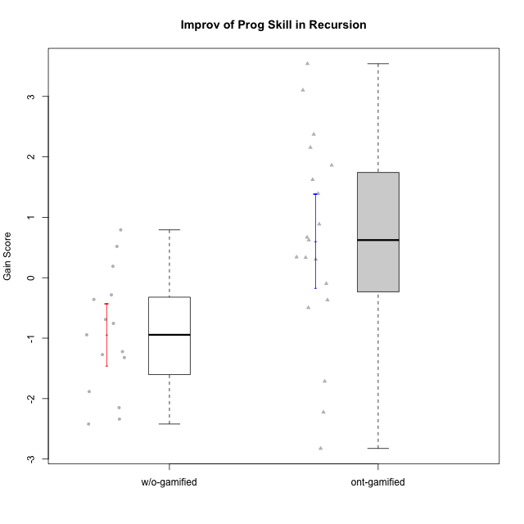

Student's t-Test data
UserID | NroUSP | Type | CLGroup | CLRole | PlayerRole | Re2 | Un2 | Ap3 | Ap1 | An3a | An3b | Ev2 | ReB | UnB | ApC | ApA | AnC1 | AnC2 | EvB | PreScore | PostScore | Gain Score
10170 | 10260351 | w/o-gamified | Grupo11 | Apprentice |  | 0.375 | 0.28571428571 | 0.45454545455 | 1 | 0 | 0.5 | 1 | 0.69642857143 | 0.65384615385 | 0.44444444444 | 0 | 0.5 | 0 | 0 | 3.6152597403 | 2.2947191697 | -1.3205405705
10174 | 10276852 | w/o-gamified | Grupo7 | Master |  | 0.67857142857 | 0.33333333333 | 0.45454545455 | 1 | 0.42857142857 | 1 | 0.44444444444 | 0.67857142857 | 0.65384615385 | 0 | 0 | 0 | 0.85714285714 | 0 | 4.3394660895 | 2.1895604396 | -2.1499056499
10175 | 10310700 | ont-gamified | Warriors | Master | Social Achiever | 0.51785714286 | 0.66666666667 | 0 | 0.45454545455 | 0.5 | 1 | 1 | 1 | 1 | 1 | 1 | 1 | 0 | 1 | 4.1390692641 | 6 | 1.8609307359
10176 | 10276949 | ont-gamified | Outlaws | Master | Social Achiever | 0.51785714286 | 0.64285714286 | 1 | 0.81818181818 | 1 | 1 | 0 | 0.21428571429 | 0.66666666667 | 0.44444444444 | 0.42857142857 | 1 | 0 | 0 | 4.9788961039 | 2.753968254 | -2.2249278499
10178 | 8656201 | ont-gamified | Outlaws | Apprentice | Social Achiever | 0.53571428571 | 0 | 1 | 1 | 0 | 0 | 0 | 0.85714285714 | 0.30769230769 | 0 | 0 | 0.92857142857 | 0.35714285714 | 0.38888888889 | 2.5357142857 | 2.8394383394 | 0.30372405372
10179 | 10310759 | w/o-gamified | Grupo10 | Master |  | 0.85714285714 | 0.64285714286 | 1 | 1 | 0.42857142857 | 0.42857142857 | 0.44444444444 | 0.85714285714 | 0.66666666667 | 0 | 0.42857142857 | 0 | 0.42857142857 | 0 | 4.8015873016 | 2.380952381 | -2.4206349206
10183 | 10352030 | w/o-gamified | Grupo3 | Apprentice |  | 0.51785714286 | 0.61904761905 | 1 | 0 | 0 | 0 | 0 | 0.67857142857 | 0.83333333333 | 0 | 0.28571428571 | 0.42857142857 | 0.42857142857 | 0 | 2.1369047619 | 2.6547619048 | 0.51785714286
10185 | 10276960 | w/o-gamified | Grupo9 | Apprentice |  | 0.83928571429 | 1 | 1 | 0 | 0.5 | 0 | 0 | 1 | 0 | 0 | 0 | 0 | 0 | 0 | 3.3392857143 | 1 | -2.3392857143
10186 | 10310551 | ont-gamified | Slayers | Apprentice | Social Achiever | 0.375 | 0.69047619048 | 0.54545454545 | 0.45454545455 | 0.57142857143 | 0.57142857143 | 0 | 0.67857142857 | 0.80769230769 | 0.33333333333 | 0.85714285714 | 0 | 0.42857142857 | 0.44444444444 | 3.2083333333 | 3.5497557998 | 0.34142246642
10187 | 9790781 | ont-gamified | Mafia | Apprentice | Social Achiever | 0.51785714286 | 0 | 1 | 1 | 0 | 0 | 0 | 1 | 0.30769230769 | 0 | 0 | 0.35714285714 | 0.35714285714 | 0 | 2.5178571429 | 2.021978022 | -0.49587912088
10188 | 10276995 | ont-gamified | Vandals | Master | Yee Achiever | 0.53571428571 | 0.33333333333 | 0 | 1 | 1 | 1 | 0 | 1 | 0.83333333333 | 1 | 1 | 0 | 0.42857142857 | 1 | 3.869047619 | 5.2619047619 | 1.3928571429
10189 | 9363926 | ont-gamified | Vikings | Apprentice | Social Achiever | 0.83928571429 | 0.2619047619 | 0 | 0 | 0.35714285714 | 0 | 0 | 0.35714285714 | 0.98717948718 | 0 | 0 | 0 | 0 | 1 | 1.4583333333 | 2.3443223443 | 0.88598901099
10191 | 10276981 | w/o-gamified | Grupo1 | Master |  | 0.51785714286 | 0.97619047619 | 1 | 1 | 0 | 0.92857142857 | 0 | 0.67857142857 | 0.98717948718 | 0 | 0 | 0 | 0.42857142857 | 0.44444444444 | 4.4226190476 | 2.5387667888 | -1.8838522589
10192 | 10276682 | ont-gamified | Attractive Devils | Apprentice | Social Achiever | 0.51785714286 | 0.59523809524 | 1 | 1 | 0 | 0 | 0 | 0.83928571429 | 1 | 1 | 1 | 0 | 0.42857142857 | 1 | 3.1130952381 | 5.2678571429 | 2.1547619048
10193 | 10276762 | ont-gamified | Vandals | Apprentice | Yee Achiever | 0.51785714286 | 0.64285714286 | 0.5 | 1 | 0.42857142857 | 0 | 0 | 0.23214285714 | 0.83333333333 | 0 | 1 | 0 | 0.85714285714 | 0.5 | 3.0892857143 | 3.4226190476 | 0.33333333333
10197 | 10276661 | w/o-gamified | Grupo8 | Apprentice |  | 0.51785714286 | 0.66666666667 | 0 | 1 | 0.92857142857 | 0 | 0.44444444444 | 0.35714285714 | 1 | 1 | 0 | 0 | 0 | 0.44444444444 | 3.5575396825 | 2.8015873016 | -0.75595238095
10198 | 10310888 | ont-gamified | Attractive Devils | Apprentice | Social Achiever | 0.51785714286 | 0.64285714286 | 0 | 0 | 0.5 | 0 | 0 | 0.83928571429 | 0.82051282051 | 0.44444444444 | 1 | 0.5 | 0.42857142857 | 0 | 1.6607142857 | 4.0328144078 | 2.3721001221
10200 | 9795272 | ont-gamified | Warriors | Apprentice | Social Achiever | 0.51785714286 | 0.64285714286 | 0.45454545455 | 0 | 0.42857142857 | 0 | 0 | 0.83928571429 | 1 | 0.44444444444 | 0 | 0 | 0.42857142857 | 0 | 2.0438311688 | 2.7123015873 | 0.66847041847
10201 | 10276928 | w/o-gamified | Grupo11 | Apprentice |  | 0.51785714286 | 0.64285714286 | 0 | 1 | 1 | 1 | 0 | 0.66071428571 | 0.83333333333 | 0.44444444444 | 0 | 1 | 0 | 0 | 4.1607142857 | 2.9384920635 | -1.2222222222
10202 | 10277036 | ont-gamified | Silly Knights | Apprentice | Social Achiever | 0.51785714286 | 0.61904761905 | 0 | 0 | 0 | 0 | 0 | 1 | 0.82051282051 | 1 | 0.42857142857 | 1 | 0.42857142857 | 0 | 1.1369047619 | 4.6776556777 | 3.5407509158
10203 | 9921470 | ont-gamified | Mercenaries | Apprentice | Social Achiever | 0.53571428571 | 1 | 1 | 0 | 0 | 0 | 0.44444444444 | 0.19642857143 | 0.64102564103 | 0 | 0.42857142857 | 0 | 0 | 0 | 2.9801587302 | 1.266025641 | -1.7141330891
10206 | 10310721 | w/o-gamified | Grupo8 | Apprentice |  | 0.69642857143 | 0.64285714286 | 0.45454545455 | 0 | 0.92857142857 | 0 | 1 | 0.67857142857 | 0.98717948718 | 0.38888888889 | 0.42857142857 | 1 | 0.42857142857 | 0 | 3.7224025974 | 3.9117826618 | 0.18938006438
10209 | 10262669 | ont-gamified | Mafia | Apprentice | Social Achiever | 0.51785714286 | 0.66666666667 | 0.45454545455 | 1 | 0 | 1 | 0.44444444444 | 1 | 0.83333333333 | 1 | 1 | 1 | 0.42857142857 | 0.44444444444 | 4.0835137085 | 5.7063492063 | 1.6228354978
10213 | 10277040 | w/o-gamified | Grupo7 | Apprentice |  | 0.375 | 0.28571428571 | 0 | 1 | 0 | 0.5 | 1 | 1 | 1 | 0 | 0 | 0 | 0.35714285714 | 0.44444444444 | 3.1607142857 | 2.8015873016 | -0.35912698413
10214 | 10277022 | ont-gamified | Vikings | Apprentice | Social Achiever | 0.35714285714 | 0 | 0.45454545455 | 0 | 0 | 0.42857142857 | 0 | 0.375 | 0.66666666667 | 0.44444444444 | 1 | 1 | 0.85714285714 | 0 | 1.2402597403 | 4.3432539683 | 3.102994228
10216 | 10276720 | ont-gamified | Silly Knights | Master | Social Achiever | 0.51785714286 | 0.66666666667 | 0.45454545455 | 1 | 0.5 | 0.5 | 0 | 1 | 0.83333333333 | 0 | 0.42857142857 | 1 | 1 | 0 | 3.6390692641 | 4.2619047619 | 0.62283549784
10217 | 9805341 | w/o-gamified | Grupo9 | Apprentice |  | 0.51785714286 | 0.61904761905 | 0 | 1 | 1 | 0 | 1 | 1 | 0.83333333333 | 0.33333333333 | 1 | 1 | 0.42857142857 | 0.33333333333 | 4.1369047619 | 4.9285714286 | 0.79166666667
10218 | 9842913 | w/o-gamified | Grupo10 | Apprentice |  | 0.51785714286 | 0.30952380952 | 1 | 1 | 0 | 0 | 0.44444444444 | 1 | 1 | 0 | 0 | 0 | 0 | 0 | 3.2718253968 | 2 | -1.2718253968
10219 | 10276831 | w/o-gamified | Grupo3 | Master |  | 0.375 | 0.64285714286 | 0.45454545455 | 1 | 1 | 0 | 0 | 0.69642857143 | 0.64102564103 | 0.44444444444 | 1 | 0 | 0 | 0 | 3.4724025974 | 2.7818986569 | -0.6905039405
10223 | 9795185 | ont-gamified | Slayers | Master | Social Achiever | 0.51785714286 | 0.33333333333 | 0 | 1 | 1 | 1 | 0 | 0.35714285714 | 0.66666666667 | 0 | 0.42857142857 | 1 | 0.85714285714 | 0.44444444444 | 3.8511904762 | 3.753968254 | -0.097222222222
10230 | 10351992 | ont-gamified | Resistance | Master | Social Achiever | 0.51785714286 | 0.57142857143 | 1 | 1 | 0.85714285714 | 0 | 0.44444444444 | 0.035714285714 | 0.64102564103 | 0.44444444444 | 0 | 0 | 0 | 0.44444444444 | 4.3908730159 | 1.5656288156 | -2.8252442002
10231 | 10276911 | w/o-gamified | Grupo9 | Master |  | 0.51785714286 | 1 | 0 | 1 | 1 | 1 | 0.44444444444 | 0.67857142857 | 1 | 0 | 1 | 1 | 0 | 1 | 4.9623015873 | 4.6785714286 | -0.28373015873
10232 | 10276974 | w/o-gamified | Grupo7 | Apprentice |  | 0.51785714286 | 0.64285714286 | 1 | 1 | 0 | 0.42857142857 | 0.38888888889 | 0.51785714286 | 1 | 0.44444444444 | 0.42857142857 | 0.35714285714 | 0.28571428571 | 0 | 3.9781746032 | 3.0337301587 | -0.94444444444
10237 | 10377688 | ont-gamified | Outlaws | Apprentice | Social Achiever | 0.51785714286 | 0.64285714286 | 0 | 1 | 1 | 0 | 0 | 1 | 0.47435897436 | 0.44444444444 | 0 | 0.42857142857 | 0 | 0.44444444444 | 3.1607142857 | 2.7918192918 | -0.36889499389

Type_CLRole_1
Student's t-Test for Improv of Prog Skill in Recursion in Type:CLRole between ont-gamified.Apprentice:ont-gamified.Master

Student's t-Test results
Alternative hypothesis: less
Group | N | Mean | Mean.Difference | Std.deviation | Std.error | CI.lower | CI.upper | df | t.value | p.value | g | magnitude
ont-gamified.Apprentice | 13 | 0.98057498057 | 1.1923701299 | 1.5122025366 | 0.41940952188 | 0.14175593682 | 1.8193940243 | 7.9944538667 | 1.3403683501 | 0.89151645117 | 0.69312566699 | medium
ont-gamified.Master | 6 | -0.2117951493 | -1.1923701299 | 1.9216480458 | 0.78450952956 | -1.7808142084 | 1.3572239098 | 7.9944538667 | 1.3403683501 | 0.89151645117 | 0.69312566699 | medium
Alternative hypothesis: greater
Group | N | Mean | Mean.Difference | Std.deviation | Std.error | CI.lower | CI.upper | df | t.value | p.value | g | magnitude
ont-gamified.Apprentice | 13 | 0.98057498057 | 1.1923701299 | 1.5122025366 | 0.41940952188 | 0.14175593682 | 1.8193940243 | 7.9944538667 | 1.3403683501 | 0.10848354883 | 0.69312566699 | medium
ont-gamified.Master | 6 | -0.2117951493 | -1.1923701299 | 1.9216480458 | 0.78450952956 | -1.7808142084 | 1.3572239098 | 7.9944538667 | 1.3403683501 | 0.10848354883 | 0.69312566699 | medium
Alternative hypothesis: two.sided
Group | N | Mean | Mean.Difference | Std.deviation | Std.error | CI.lower | CI.upper | df | t.value | p.value | g | magnitude
ont-gamified.Apprentice | 13 | 0.98057498057 | 1.1923701299 | 1.5122025366 | 0.41940952188 | 0.14175593682 | 1.8193940243 | 7.9944538667 | 1.3403683501 | 0.21696709765 | 0.69312566699 | medium
ont-gamified.Master | 6 | -0.2117951493 | -1.1923701299 | 1.9216480458 | 0.78450952956 | -1.7808142084 | 1.3572239098 | 7.9944538667 | 1.3403683501 | 0.21696709765 | 0.69312566699 | medium

Box plots for Student's t-Test
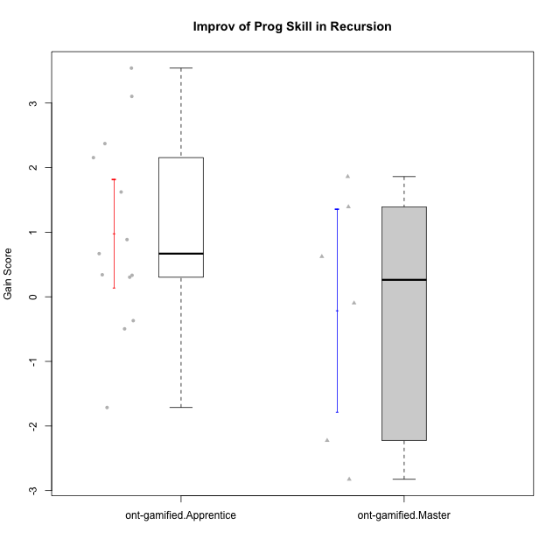

Student's t-Test data
UserID | NroUSP | Type | CLGroup | CLRole | PlayerRole | Re2 | Un2 | Ap3 | Ap1 | An3a | An3b | Ev2 | ReB | UnB | ApC | ApA | AnC1 | AnC2 | EvB | PreScore | PostScore | Gain Score
10175 | 10310700 | ont-gamified | Warriors | Master | Social Achiever | 0.51785714286 | 0.66666666667 | 0 | 0.45454545455 | 0.5 | 1 | 1 | 1 | 1 | 1 | 1 | 1 | 0 | 1 | 4.1390692641 | 6 | 1.8609307359
10176 | 10276949 | ont-gamified | Outlaws | Master | Social Achiever | 0.51785714286 | 0.64285714286 | 1 | 0.81818181818 | 1 | 1 | 0 | 0.21428571429 | 0.66666666667 | 0.44444444444 | 0.42857142857 | 1 | 0 | 0 | 4.9788961039 | 2.753968254 | -2.2249278499
10178 | 8656201 | ont-gamified | Outlaws | Apprentice | Social Achiever | 0.53571428571 | 0 | 1 | 1 | 0 | 0 | 0 | 0.85714285714 | 0.30769230769 | 0 | 0 | 0.92857142857 | 0.35714285714 | 0.38888888889 | 2.5357142857 | 2.8394383394 | 0.30372405372
10186 | 10310551 | ont-gamified | Slayers | Apprentice | Social Achiever | 0.375 | 0.69047619048 | 0.54545454545 | 0.45454545455 | 0.57142857143 | 0.57142857143 | 0 | 0.67857142857 | 0.80769230769 | 0.33333333333 | 0.85714285714 | 0 | 0.42857142857 | 0.44444444444 | 3.2083333333 | 3.5497557998 | 0.34142246642
10187 | 9790781 | ont-gamified | Mafia | Apprentice | Social Achiever | 0.51785714286 | 0 | 1 | 1 | 0 | 0 | 0 | 1 | 0.30769230769 | 0 | 0 | 0.35714285714 | 0.35714285714 | 0 | 2.5178571429 | 2.021978022 | -0.49587912088
10188 | 10276995 | ont-gamified | Vandals | Master | Yee Achiever | 0.53571428571 | 0.33333333333 | 0 | 1 | 1 | 1 | 0 | 1 | 0.83333333333 | 1 | 1 | 0 | 0.42857142857 | 1 | 3.869047619 | 5.2619047619 | 1.3928571429
10189 | 9363926 | ont-gamified | Vikings | Apprentice | Social Achiever | 0.83928571429 | 0.2619047619 | 0 | 0 | 0.35714285714 | 0 | 0 | 0.35714285714 | 0.98717948718 | 0 | 0 | 0 | 0 | 1 | 1.4583333333 | 2.3443223443 | 0.88598901099
10192 | 10276682 | ont-gamified | Attractive Devils | Apprentice | Social Achiever | 0.51785714286 | 0.59523809524 | 1 | 1 | 0 | 0 | 0 | 0.83928571429 | 1 | 1 | 1 | 0 | 0.42857142857 | 1 | 3.1130952381 | 5.2678571429 | 2.1547619048
10193 | 10276762 | ont-gamified | Vandals | Apprentice | Yee Achiever | 0.51785714286 | 0.64285714286 | 0.5 | 1 | 0.42857142857 | 0 | 0 | 0.23214285714 | 0.83333333333 | 0 | 1 | 0 | 0.85714285714 | 0.5 | 3.0892857143 | 3.4226190476 | 0.33333333333
10198 | 10310888 | ont-gamified | Attractive Devils | Apprentice | Social Achiever | 0.51785714286 | 0.64285714286 | 0 | 0 | 0.5 | 0 | 0 | 0.83928571429 | 0.82051282051 | 0.44444444444 | 1 | 0.5 | 0.42857142857 | 0 | 1.6607142857 | 4.0328144078 | 2.3721001221
10200 | 9795272 | ont-gamified | Warriors | Apprentice | Social Achiever | 0.51785714286 | 0.64285714286 | 0.45454545455 | 0 | 0.42857142857 | 0 | 0 | 0.83928571429 | 1 | 0.44444444444 | 0 | 0 | 0.42857142857 | 0 | 2.0438311688 | 2.7123015873 | 0.66847041847
10202 | 10277036 | ont-gamified | Silly Knights | Apprentice | Social Achiever | 0.51785714286 | 0.61904761905 | 0 | 0 | 0 | 0 | 0 | 1 | 0.82051282051 | 1 | 0.42857142857 | 1 | 0.42857142857 | 0 | 1.1369047619 | 4.6776556777 | 3.5407509158
10203 | 9921470 | ont-gamified | Mercenaries | Apprentice | Social Achiever | 0.53571428571 | 1 | 1 | 0 | 0 | 0 | 0.44444444444 | 0.19642857143 | 0.64102564103 | 0 | 0.42857142857 | 0 | 0 | 0 | 2.9801587302 | 1.266025641 | -1.7141330891
10209 | 10262669 | ont-gamified | Mafia | Apprentice | Social Achiever | 0.51785714286 | 0.66666666667 | 0.45454545455 | 1 | 0 | 1 | 0.44444444444 | 1 | 0.83333333333 | 1 | 1 | 1 | 0.42857142857 | 0.44444444444 | 4.0835137085 | 5.7063492063 | 1.6228354978
10214 | 10277022 | ont-gamified | Vikings | Apprentice | Social Achiever | 0.35714285714 | 0 | 0.45454545455 | 0 | 0 | 0.42857142857 | 0 | 0.375 | 0.66666666667 | 0.44444444444 | 1 | 1 | 0.85714285714 | 0 | 1.2402597403 | 4.3432539683 | 3.102994228
10216 | 10276720 | ont-gamified | Silly Knights | Master | Social Achiever | 0.51785714286 | 0.66666666667 | 0.45454545455 | 1 | 0.5 | 0.5 | 0 | 1 | 0.83333333333 | 0 | 0.42857142857 | 1 | 1 | 0 | 3.6390692641 | 4.2619047619 | 0.62283549784
10223 | 9795185 | ont-gamified | Slayers | Master | Social Achiever | 0.51785714286 | 0.33333333333 | 0 | 1 | 1 | 1 | 0 | 0.35714285714 | 0.66666666667 | 0 | 0.42857142857 | 1 | 0.85714285714 | 0.44444444444 | 3.8511904762 | 3.753968254 | -0.097222222222
10230 | 10351992 | ont-gamified | Resistance | Master | Social Achiever | 0.51785714286 | 0.57142857143 | 1 | 1 | 0.85714285714 | 0 | 0.44444444444 | 0.035714285714 | 0.64102564103 | 0.44444444444 | 0 | 0 | 0 | 0.44444444444 | 4.3908730159 | 1.5656288156 | -2.8252442002
10237 | 10377688 | ont-gamified | Outlaws | Apprentice | Social Achiever | 0.51785714286 | 0.64285714286 | 0 | 1 | 1 | 0 | 0 | 1 | 0.47435897436 | 0.44444444444 | 0 | 0.42857142857 | 0 | 0.44444444444 | 3.1607142857 | 2.7918192918 | -0.36889499389

Type_CLRole_2
Student's t-Test for Improv of Prog Skill in Recursion in Type:CLRole between ont-gamified.Apprentice:w/o-gamified.Apprentice

Student's t-Test results
Alternative hypothesis: less
Group | N | Mean | Mean.Difference | Std.deviation | Std.error | CI.lower | CI.upper | df | t.value | p.value | g | magnitude
ont-gamified.Apprentice | 13 | 0.98057498057 | 1.6520243645 | 1.5122025366 | 0.41940952188 | 0.14175593682 | 1.8193940243 | 20.41900615 | 3.1876243528 | 0.99773003955 | 1.2198261568 | large
w/o-gamified.Apprentice | 10 | -0.67144938395 | -1.6520243645 | 0.96276209949 | 0.30445210793 | -1.2803535998 | -0.062545168096 | 20.41900615 | 3.1876243528 | 0.99773003955 | 1.2198261568 | large
Alternative hypothesis: greater
Group | N | Mean | Mean.Difference | Std.deviation | Std.error | CI.lower | CI.upper | df | t.value | p.value | g | magnitude
ont-gamified.Apprentice | 13 | 0.98057498057 | 1.6520243645 | 1.5122025366 | 0.41940952188 | 0.14175593682 | 1.8193940243 | 20.41900615 | 3.1876243528 | 0.002269960454 | 1.2198261568 | large
w/o-gamified.Apprentice | 10 | -0.67144938395 | -1.6520243645 | 0.96276209949 | 0.30445210793 | -1.2803535998 | -0.062545168096 | 20.41900615 | 3.1876243528 | 0.002269960454 | 1.2198261568 | large
Alternative hypothesis: two.sided
Group | N | Mean | Mean.Difference | Std.deviation | Std.error | CI.lower | CI.upper | df | t.value | p.value | g | magnitude
ont-gamified.Apprentice | 13 | 0.98057498057 | 1.6520243645 | 1.5122025366 | 0.41940952188 | 0.14175593682 | 1.8193940243 | 20.41900615 | 3.1876243528 | 0.0045399209079 | 1.2198261568 | large
w/o-gamified.Apprentice | 10 | -0.67144938395 | -1.6520243645 | 0.96276209949 | 0.30445210793 | -1.2803535998 | -0.062545168096 | 20.41900615 | 3.1876243528 | 0.0045399209079 | 1.2198261568 | large

Box plots for Student's t-Test
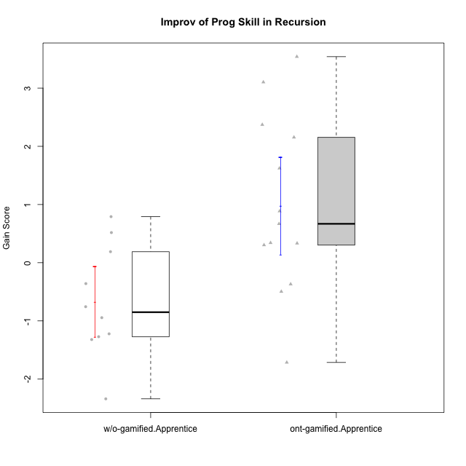

Student's t-Test data
UserID | NroUSP | Type | CLGroup | CLRole | PlayerRole | Re2 | Un2 | Ap3 | Ap1 | An3a | An3b | Ev2 | ReB | UnB | ApC | ApA | AnC1 | AnC2 | EvB | PreScore | PostScore | Gain Score
10170 | 10260351 | w/o-gamified | Grupo11 | Apprentice |  | 0.375 | 0.28571428571 | 0.45454545455 | 1 | 0 | 0.5 | 1 | 0.69642857143 | 0.65384615385 | 0.44444444444 | 0 | 0.5 | 0 | 0 | 3.6152597403 | 2.2947191697 | -1.3205405705
10178 | 8656201 | ont-gamified | Outlaws | Apprentice | Social Achiever | 0.53571428571 | 0 | 1 | 1 | 0 | 0 | 0 | 0.85714285714 | 0.30769230769 | 0 | 0 | 0.92857142857 | 0.35714285714 | 0.38888888889 | 2.5357142857 | 2.8394383394 | 0.30372405372
10183 | 10352030 | w/o-gamified | Grupo3 | Apprentice |  | 0.51785714286 | 0.61904761905 | 1 | 0 | 0 | 0 | 0 | 0.67857142857 | 0.83333333333 | 0 | 0.28571428571 | 0.42857142857 | 0.42857142857 | 0 | 2.1369047619 | 2.6547619048 | 0.51785714286
10185 | 10276960 | w/o-gamified | Grupo9 | Apprentice |  | 0.83928571429 | 1 | 1 | 0 | 0.5 | 0 | 0 | 1 | 0 | 0 | 0 | 0 | 0 | 0 | 3.3392857143 | 1 | -2.3392857143
10186 | 10310551 | ont-gamified | Slayers | Apprentice | Social Achiever | 0.375 | 0.69047619048 | 0.54545454545 | 0.45454545455 | 0.57142857143 | 0.57142857143 | 0 | 0.67857142857 | 0.80769230769 | 0.33333333333 | 0.85714285714 | 0 | 0.42857142857 | 0.44444444444 | 3.2083333333 | 3.5497557998 | 0.34142246642
10187 | 9790781 | ont-gamified | Mafia | Apprentice | Social Achiever | 0.51785714286 | 0 | 1 | 1 | 0 | 0 | 0 | 1 | 0.30769230769 | 0 | 0 | 0.35714285714 | 0.35714285714 | 0 | 2.5178571429 | 2.021978022 | -0.49587912088
10189 | 9363926 | ont-gamified | Vikings | Apprentice | Social Achiever | 0.83928571429 | 0.2619047619 | 0 | 0 | 0.35714285714 | 0 | 0 | 0.35714285714 | 0.98717948718 | 0 | 0 | 0 | 0 | 1 | 1.4583333333 | 2.3443223443 | 0.88598901099
10192 | 10276682 | ont-gamified | Attractive Devils | Apprentice | Social Achiever | 0.51785714286 | 0.59523809524 | 1 | 1 | 0 | 0 | 0 | 0.83928571429 | 1 | 1 | 1 | 0 | 0.42857142857 | 1 | 3.1130952381 | 5.2678571429 | 2.1547619048
10193 | 10276762 | ont-gamified | Vandals | Apprentice | Yee Achiever | 0.51785714286 | 0.64285714286 | 0.5 | 1 | 0.42857142857 | 0 | 0 | 0.23214285714 | 0.83333333333 | 0 | 1 | 0 | 0.85714285714 | 0.5 | 3.0892857143 | 3.4226190476 | 0.33333333333
10197 | 10276661 | w/o-gamified | Grupo8 | Apprentice |  | 0.51785714286 | 0.66666666667 | 0 | 1 | 0.92857142857 | 0 | 0.44444444444 | 0.35714285714 | 1 | 1 | 0 | 0 | 0 | 0.44444444444 | 3.5575396825 | 2.8015873016 | -0.75595238095
10198 | 10310888 | ont-gamified | Attractive Devils | Apprentice | Social Achiever | 0.51785714286 | 0.64285714286 | 0 | 0 | 0.5 | 0 | 0 | 0.83928571429 | 0.82051282051 | 0.44444444444 | 1 | 0.5 | 0.42857142857 | 0 | 1.6607142857 | 4.0328144078 | 2.3721001221
10200 | 9795272 | ont-gamified | Warriors | Apprentice | Social Achiever | 0.51785714286 | 0.64285714286 | 0.45454545455 | 0 | 0.42857142857 | 0 | 0 | 0.83928571429 | 1 | 0.44444444444 | 0 | 0 | 0.42857142857 | 0 | 2.0438311688 | 2.7123015873 | 0.66847041847
10201 | 10276928 | w/o-gamified | Grupo11 | Apprentice |  | 0.51785714286 | 0.64285714286 | 0 | 1 | 1 | 1 | 0 | 0.66071428571 | 0.83333333333 | 0.44444444444 | 0 | 1 | 0 | 0 | 4.1607142857 | 2.9384920635 | -1.2222222222
10202 | 10277036 | ont-gamified | Silly Knights | Apprentice | Social Achiever | 0.51785714286 | 0.61904761905 | 0 | 0 | 0 | 0 | 0 | 1 | 0.82051282051 | 1 | 0.42857142857 | 1 | 0.42857142857 | 0 | 1.1369047619 | 4.6776556777 | 3.5407509158
10203 | 9921470 | ont-gamified | Mercenaries | Apprentice | Social Achiever | 0.53571428571 | 1 | 1 | 0 | 0 | 0 | 0.44444444444 | 0.19642857143 | 0.64102564103 | 0 | 0.42857142857 | 0 | 0 | 0 | 2.9801587302 | 1.266025641 | -1.7141330891
10206 | 10310721 | w/o-gamified | Grupo8 | Apprentice |  | 0.69642857143 | 0.64285714286 | 0.45454545455 | 0 | 0.92857142857 | 0 | 1 | 0.67857142857 | 0.98717948718 | 0.38888888889 | 0.42857142857 | 1 | 0.42857142857 | 0 | 3.7224025974 | 3.9117826618 | 0.18938006438
10209 | 10262669 | ont-gamified | Mafia | Apprentice | Social Achiever | 0.51785714286 | 0.66666666667 | 0.45454545455 | 1 | 0 | 1 | 0.44444444444 | 1 | 0.83333333333 | 1 | 1 | 1 | 0.42857142857 | 0.44444444444 | 4.0835137085 | 5.7063492063 | 1.6228354978
10213 | 10277040 | w/o-gamified | Grupo7 | Apprentice |  | 0.375 | 0.28571428571 | 0 | 1 | 0 | 0.5 | 1 | 1 | 1 | 0 | 0 | 0 | 0.35714285714 | 0.44444444444 | 3.1607142857 | 2.8015873016 | -0.35912698413
10214 | 10277022 | ont-gamified | Vikings | Apprentice | Social Achiever | 0.35714285714 | 0 | 0.45454545455 | 0 | 0 | 0.42857142857 | 0 | 0.375 | 0.66666666667 | 0.44444444444 | 1 | 1 | 0.85714285714 | 0 | 1.2402597403 | 4.3432539683 | 3.102994228
10217 | 9805341 | w/o-gamified | Grupo9 | Apprentice |  | 0.51785714286 | 0.61904761905 | 0 | 1 | 1 | 0 | 1 | 1 | 0.83333333333 | 0.33333333333 | 1 | 1 | 0.42857142857 | 0.33333333333 | 4.1369047619 | 4.9285714286 | 0.79166666667
10218 | 9842913 | w/o-gamified | Grupo10 | Apprentice |  | 0.51785714286 | 0.30952380952 | 1 | 1 | 0 | 0 | 0.44444444444 | 1 | 1 | 0 | 0 | 0 | 0 | 0 | 3.2718253968 | 2 | -1.2718253968
10232 | 10276974 | w/o-gamified | Grupo7 | Apprentice |  | 0.51785714286 | 0.64285714286 | 1 | 1 | 0 | 0.42857142857 | 0.38888888889 | 0.51785714286 | 1 | 0.44444444444 | 0.42857142857 | 0.35714285714 | 0.28571428571 | 0 | 3.9781746032 | 3.0337301587 | -0.94444444444
10237 | 10377688 | ont-gamified | Outlaws | Apprentice | Social Achiever | 0.51785714286 | 0.64285714286 | 0 | 1 | 1 | 0 | 0 | 1 | 0.47435897436 | 0.44444444444 | 0 | 0.42857142857 | 0 | 0.44444444444 | 3.1607142857 | 2.7918192918 | -0.36889499389

Type_CLRole_3
Student's t-Test for Improv of Prog Skill in Recursion in Type:CLRole between ont-gamified.Apprentice:w/o-gamified.Master

Student's t-Test results
Alternative hypothesis: less
Group | N | Mean | Mean.Difference | Std.deviation | Std.error | CI.lower | CI.upper | df | t.value | p.value | g | magnitude
ont-gamified.Apprentice | 13 | 0.98057498057 | 2.4663003663 | 1.5122025366 | 0.41940952188 | 0.14175593682 | 1.8193940243 | 11.944356739 | 4.1484267096 | 0.99931824789 | 1.6876883395 | large
w/o-gamified.Master | 5 | -1.4857253857 | -2.4663003663 | 0.94218707558 | 0.4213588697 | -2.3284431251 | -0.64300764632 | 11.944356739 | 4.1484267096 | 0.99931824789 | 1.6876883395 | large
Alternative hypothesis: greater
Group | N | Mean | Mean.Difference | Std.deviation | Std.error | CI.lower | CI.upper | df | t.value | p.value | g | magnitude
ont-gamified.Apprentice | 13 | 0.98057498057 | 2.4663003663 | 1.5122025366 | 0.41940952188 | 0.14175593682 | 1.8193940243 | 11.944356739 | 4.1484267096 | 0.00068175211422 | 1.6876883395 | large
w/o-gamified.Master | 5 | -1.4857253857 | -2.4663003663 | 0.94218707558 | 0.4213588697 | -2.3284431251 | -0.64300764632 | 11.944356739 | 4.1484267096 | 0.00068175211422 | 1.6876883395 | large
Alternative hypothesis: two.sided
Group | N | Mean | Mean.Difference | Std.deviation | Std.error | CI.lower | CI.upper | df | t.value | p.value | g | magnitude
ont-gamified.Apprentice | 13 | 0.98057498057 | 2.4663003663 | 1.5122025366 | 0.41940952188 | 0.14175593682 | 1.8193940243 | 11.944356739 | 4.1484267096 | 0.0013635042284 | 1.6876883395 | large
w/o-gamified.Master | 5 | -1.4857253857 | -2.4663003663 | 0.94218707558 | 0.4213588697 | -2.3284431251 | -0.64300764632 | 11.944356739 | 4.1484267096 | 0.0013635042284 | 1.6876883395 | large

Box plots for Student's t-Test
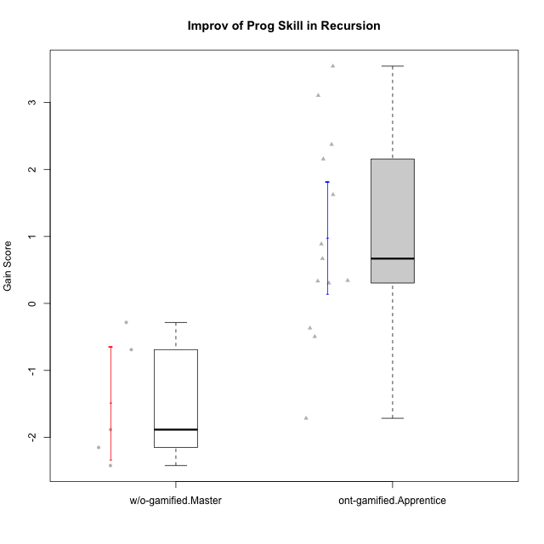

Student's t-Test data
UserID | NroUSP | Type | CLGroup | CLRole | PlayerRole | Re2 | Un2 | Ap3 | Ap1 | An3a | An3b | Ev2 | ReB | UnB | ApC | ApA | AnC1 | AnC2 | EvB | PreScore | PostScore | Gain Score
10174 | 10276852 | w/o-gamified | Grupo7 | Master |  | 0.67857142857 | 0.33333333333 | 0.45454545455 | 1 | 0.42857142857 | 1 | 0.44444444444 | 0.67857142857 | 0.65384615385 | 0 | 0 | 0 | 0.85714285714 | 0 | 4.3394660895 | 2.1895604396 | -2.1499056499
10178 | 8656201 | ont-gamified | Outlaws | Apprentice | Social Achiever | 0.53571428571 | 0 | 1 | 1 | 0 | 0 | 0 | 0.85714285714 | 0.30769230769 | 0 | 0 | 0.92857142857 | 0.35714285714 | 0.38888888889 | 2.5357142857 | 2.8394383394 | 0.30372405372
10179 | 10310759 | w/o-gamified | Grupo10 | Master |  | 0.85714285714 | 0.64285714286 | 1 | 1 | 0.42857142857 | 0.42857142857 | 0.44444444444 | 0.85714285714 | 0.66666666667 | 0 | 0.42857142857 | 0 | 0.42857142857 | 0 | 4.8015873016 | 2.380952381 | -2.4206349206
10186 | 10310551 | ont-gamified | Slayers | Apprentice | Social Achiever | 0.375 | 0.69047619048 | 0.54545454545 | 0.45454545455 | 0.57142857143 | 0.57142857143 | 0 | 0.67857142857 | 0.80769230769 | 0.33333333333 | 0.85714285714 | 0 | 0.42857142857 | 0.44444444444 | 3.2083333333 | 3.5497557998 | 0.34142246642
10187 | 9790781 | ont-gamified | Mafia | Apprentice | Social Achiever | 0.51785714286 | 0 | 1 | 1 | 0 | 0 | 0 | 1 | 0.30769230769 | 0 | 0 | 0.35714285714 | 0.35714285714 | 0 | 2.5178571429 | 2.021978022 | -0.49587912088
10189 | 9363926 | ont-gamified | Vikings | Apprentice | Social Achiever | 0.83928571429 | 0.2619047619 | 0 | 0 | 0.35714285714 | 0 | 0 | 0.35714285714 | 0.98717948718 | 0 | 0 | 0 | 0 | 1 | 1.4583333333 | 2.3443223443 | 0.88598901099
10191 | 10276981 | w/o-gamified | Grupo1 | Master |  | 0.51785714286 | 0.97619047619 | 1 | 1 | 0 | 0.92857142857 | 0 | 0.67857142857 | 0.98717948718 | 0 | 0 | 0 | 0.42857142857 | 0.44444444444 | 4.4226190476 | 2.5387667888 | -1.8838522589
10192 | 10276682 | ont-gamified | Attractive Devils | Apprentice | Social Achiever | 0.51785714286 | 0.59523809524 | 1 | 1 | 0 | 0 | 0 | 0.83928571429 | 1 | 1 | 1 | 0 | 0.42857142857 | 1 | 3.1130952381 | 5.2678571429 | 2.1547619048
10193 | 10276762 | ont-gamified | Vandals | Apprentice | Yee Achiever | 0.51785714286 | 0.64285714286 | 0.5 | 1 | 0.42857142857 | 0 | 0 | 0.23214285714 | 0.83333333333 | 0 | 1 | 0 | 0.85714285714 | 0.5 | 3.0892857143 | 3.4226190476 | 0.33333333333
10198 | 10310888 | ont-gamified | Attractive Devils | Apprentice | Social Achiever | 0.51785714286 | 0.64285714286 | 0 | 0 | 0.5 | 0 | 0 | 0.83928571429 | 0.82051282051 | 0.44444444444 | 1 | 0.5 | 0.42857142857 | 0 | 1.6607142857 | 4.0328144078 | 2.3721001221
10200 | 9795272 | ont-gamified | Warriors | Apprentice | Social Achiever | 0.51785714286 | 0.64285714286 | 0.45454545455 | 0 | 0.42857142857 | 0 | 0 | 0.83928571429 | 1 | 0.44444444444 | 0 | 0 | 0.42857142857 | 0 | 2.0438311688 | 2.7123015873 | 0.66847041847
10202 | 10277036 | ont-gamified | Silly Knights | Apprentice | Social Achiever | 0.51785714286 | 0.61904761905 | 0 | 0 | 0 | 0 | 0 | 1 | 0.82051282051 | 1 | 0.42857142857 | 1 | 0.42857142857 | 0 | 1.1369047619 | 4.6776556777 | 3.5407509158
10203 | 9921470 | ont-gamified | Mercenaries | Apprentice | Social Achiever | 0.53571428571 | 1 | 1 | 0 | 0 | 0 | 0.44444444444 | 0.19642857143 | 0.64102564103 | 0 | 0.42857142857 | 0 | 0 | 0 | 2.9801587302 | 1.266025641 | -1.7141330891
10209 | 10262669 | ont-gamified | Mafia | Apprentice | Social Achiever | 0.51785714286 | 0.66666666667 | 0.45454545455 | 1 | 0 | 1 | 0.44444444444 | 1 | 0.83333333333 | 1 | 1 | 1 | 0.42857142857 | 0.44444444444 | 4.0835137085 | 5.7063492063 | 1.6228354978
10214 | 10277022 | ont-gamified | Vikings | Apprentice | Social Achiever | 0.35714285714 | 0 | 0.45454545455 | 0 | 0 | 0.42857142857 | 0 | 0.375 | 0.66666666667 | 0.44444444444 | 1 | 1 | 0.85714285714 | 0 | 1.2402597403 | 4.3432539683 | 3.102994228
10219 | 10276831 | w/o-gamified | Grupo3 | Master |  | 0.375 | 0.64285714286 | 0.45454545455 | 1 | 1 | 0 | 0 | 0.69642857143 | 0.64102564103 | 0.44444444444 | 1 | 0 | 0 | 0 | 3.4724025974 | 2.7818986569 | -0.6905039405
10231 | 10276911 | w/o-gamified | Grupo9 | Master |  | 0.51785714286 | 1 | 0 | 1 | 1 | 1 | 0.44444444444 | 0.67857142857 | 1 | 0 | 1 | 1 | 0 | 1 | 4.9623015873 | 4.6785714286 | -0.28373015873
10237 | 10377688 | ont-gamified | Outlaws | Apprentice | Social Achiever | 0.51785714286 | 0.64285714286 | 0 | 1 | 1 | 0 | 0 | 1 | 0.47435897436 | 0.44444444444 | 0 | 0.42857142857 | 0 | 0.44444444444 | 3.1607142857 | 2.7918192918 | -0.36889499389

Type_CLRole_4
Student's t-Test for Improv of Prog Skill in Recursion in Type:CLRole between ont-gamified.Master:w/o-gamified.Apprentice

Student's t-Test results
Alternative hypothesis: less
Group | N | Mean | Mean.Difference | Std.deviation | Std.error | CI.lower | CI.upper | df | t.value | p.value | g | magnitude
ont-gamified.Master | 6 | -0.2117951493 | 0.45965423465 | 1.9216480458 | 0.78450952956 | -1.7808142084 | 1.3572239098 | 6.537092886 | 0.54622273692 | 0.69847774747 | 0.31406613874 | small
w/o-gamified.Apprentice | 10 | -0.67144938395 | -0.45965423465 | 0.96276209949 | 0.30445210793 | -1.2803535998 | -0.062545168096 | 6.537092886 | 0.54622273692 | 0.69847774747 | 0.31406613874 | small
Alternative hypothesis: greater
Group | N | Mean | Mean.Difference | Std.deviation | Std.error | CI.lower | CI.upper | df | t.value | p.value | g | magnitude
ont-gamified.Master | 6 | -0.2117951493 | 0.45965423465 | 1.9216480458 | 0.78450952956 | -1.7808142084 | 1.3572239098 | 6.537092886 | 0.54622273692 | 0.30152225253 | 0.31406613874 | small
w/o-gamified.Apprentice | 10 | -0.67144938395 | -0.45965423465 | 0.96276209949 | 0.30445210793 | -1.2803535998 | -0.062545168096 | 6.537092886 | 0.54622273692 | 0.30152225253 | 0.31406613874 | small
Alternative hypothesis: two.sided
Group | N | Mean | Mean.Difference | Std.deviation | Std.error | CI.lower | CI.upper | df | t.value | p.value | g | magnitude
ont-gamified.Master | 6 | -0.2117951493 | 0.45965423465 | 1.9216480458 | 0.78450952956 | -1.7808142084 | 1.3572239098 | 6.537092886 | 0.54622273692 | 0.60304450507 | 0.31406613874 | small
w/o-gamified.Apprentice | 10 | -0.67144938395 | -0.45965423465 | 0.96276209949 | 0.30445210793 | -1.2803535998 | -0.062545168096 | 6.537092886 | 0.54622273692 | 0.60304450507 | 0.31406613874 | small

Box plots for Student's t-Test
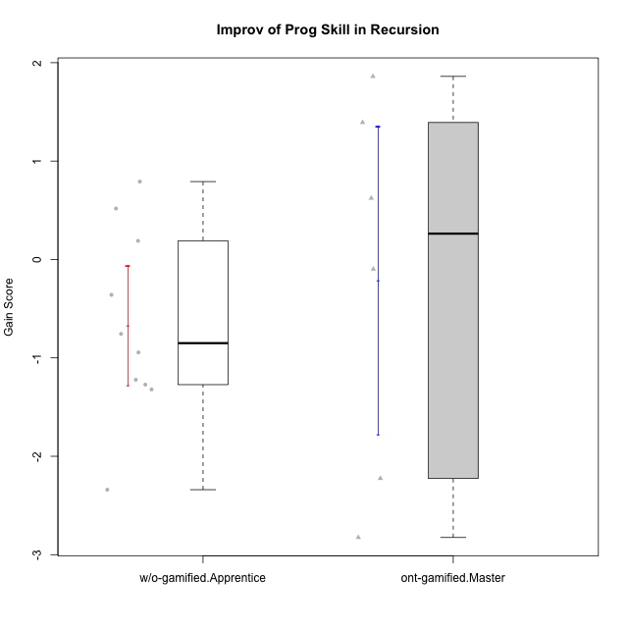

Student's t-Test data
UserID | NroUSP | Type | CLGroup | CLRole | PlayerRole | Re2 | Un2 | Ap3 | Ap1 | An3a | An3b | Ev2 | ReB | UnB | ApC | ApA | AnC1 | AnC2 | EvB | PreScore | PostScore | Gain Score
10170 | 10260351 | w/o-gamified | Grupo11 | Apprentice |  | 0.375 | 0.28571428571 | 0.45454545455 | 1 | 0 | 0.5 | 1 | 0.69642857143 | 0.65384615385 | 0.44444444444 | 0 | 0.5 | 0 | 0 | 3.6152597403 | 2.2947191697 | -1.3205405705
10175 | 10310700 | ont-gamified | Warriors | Master | Social Achiever | 0.51785714286 | 0.66666666667 | 0 | 0.45454545455 | 0.5 | 1 | 1 | 1 | 1 | 1 | 1 | 1 | 0 | 1 | 4.1390692641 | 6 | 1.8609307359
10176 | 10276949 | ont-gamified | Outlaws | Master | Social Achiever | 0.51785714286 | 0.64285714286 | 1 | 0.81818181818 | 1 | 1 | 0 | 0.21428571429 | 0.66666666667 | 0.44444444444 | 0.42857142857 | 1 | 0 | 0 | 4.9788961039 | 2.753968254 | -2.2249278499
10183 | 10352030 | w/o-gamified | Grupo3 | Apprentice |  | 0.51785714286 | 0.61904761905 | 1 | 0 | 0 | 0 | 0 | 0.67857142857 | 0.83333333333 | 0 | 0.28571428571 | 0.42857142857 | 0.42857142857 | 0 | 2.1369047619 | 2.6547619048 | 0.51785714286
10185 | 10276960 | w/o-gamified | Grupo9 | Apprentice |  | 0.83928571429 | 1 | 1 | 0 | 0.5 | 0 | 0 | 1 | 0 | 0 | 0 | 0 | 0 | 0 | 3.3392857143 | 1 | -2.3392857143
10188 | 10276995 | ont-gamified | Vandals | Master | Yee Achiever | 0.53571428571 | 0.33333333333 | 0 | 1 | 1 | 1 | 0 | 1 | 0.83333333333 | 1 | 1 | 0 | 0.42857142857 | 1 | 3.869047619 | 5.2619047619 | 1.3928571429
10197 | 10276661 | w/o-gamified | Grupo8 | Apprentice |  | 0.51785714286 | 0.66666666667 | 0 | 1 | 0.92857142857 | 0 | 0.44444444444 | 0.35714285714 | 1 | 1 | 0 | 0 | 0 | 0.44444444444 | 3.5575396825 | 2.8015873016 | -0.75595238095
10201 | 10276928 | w/o-gamified | Grupo11 | Apprentice |  | 0.51785714286 | 0.64285714286 | 0 | 1 | 1 | 1 | 0 | 0.66071428571 | 0.83333333333 | 0.44444444444 | 0 | 1 | 0 | 0 | 4.1607142857 | 2.9384920635 | -1.2222222222
10206 | 10310721 | w/o-gamified | Grupo8 | Apprentice |  | 0.69642857143 | 0.64285714286 | 0.45454545455 | 0 | 0.92857142857 | 0 | 1 | 0.67857142857 | 0.98717948718 | 0.38888888889 | 0.42857142857 | 1 | 0.42857142857 | 0 | 3.7224025974 | 3.9117826618 | 0.18938006438
10213 | 10277040 | w/o-gamified | Grupo7 | Apprentice |  | 0.375 | 0.28571428571 | 0 | 1 | 0 | 0.5 | 1 | 1 | 1 | 0 | 0 | 0 | 0.35714285714 | 0.44444444444 | 3.1607142857 | 2.8015873016 | -0.35912698413
10216 | 10276720 | ont-gamified | Silly Knights | Master | Social Achiever | 0.51785714286 | 0.66666666667 | 0.45454545455 | 1 | 0.5 | 0.5 | 0 | 1 | 0.83333333333 | 0 | 0.42857142857 | 1 | 1 | 0 | 3.6390692641 | 4.2619047619 | 0.62283549784
10217 | 9805341 | w/o-gamified | Grupo9 | Apprentice |  | 0.51785714286 | 0.61904761905 | 0 | 1 | 1 | 0 | 1 | 1 | 0.83333333333 | 0.33333333333 | 1 | 1 | 0.42857142857 | 0.33333333333 | 4.1369047619 | 4.9285714286 | 0.79166666667
10218 | 9842913 | w/o-gamified | Grupo10 | Apprentice |  | 0.51785714286 | 0.30952380952 | 1 | 1 | 0 | 0 | 0.44444444444 | 1 | 1 | 0 | 0 | 0 | 0 | 0 | 3.2718253968 | 2 | -1.2718253968
10223 | 9795185 | ont-gamified | Slayers | Master | Social Achiever | 0.51785714286 | 0.33333333333 | 0 | 1 | 1 | 1 | 0 | 0.35714285714 | 0.66666666667 | 0 | 0.42857142857 | 1 | 0.85714285714 | 0.44444444444 | 3.8511904762 | 3.753968254 | -0.097222222222
10230 | 10351992 | ont-gamified | Resistance | Master | Social Achiever | 0.51785714286 | 0.57142857143 | 1 | 1 | 0.85714285714 | 0 | 0.44444444444 | 0.035714285714 | 0.64102564103 | 0.44444444444 | 0 | 0 | 0 | 0.44444444444 | 4.3908730159 | 1.5656288156 | -2.8252442002
10232 | 10276974 | w/o-gamified | Grupo7 | Apprentice |  | 0.51785714286 | 0.64285714286 | 1 | 1 | 0 | 0.42857142857 | 0.38888888889 | 0.51785714286 | 1 | 0.44444444444 | 0.42857142857 | 0.35714285714 | 0.28571428571 | 0 | 3.9781746032 | 3.0337301587 | -0.94444444444

Type_CLRole_5
Student's t-Test for Improv of Prog Skill in Recursion in Type:CLRole between ont-gamified.Master:w/o-gamified.Master

Student's t-Test results
Alternative hypothesis: less
Group | N | Mean | Mean.Difference | Std.deviation | Std.error | CI.lower | CI.upper | df | t.value | p.value | g | magnitude
ont-gamified.Master | 6 | -0.2117951493 | 1.2739302364 | 1.9216480458 | 0.78450952956 | -1.7808142084 | 1.3572239098 | 7.5187227085 | 1.4305711516 | 0.90361532506 | 0.74472203537 | medium
w/o-gamified.Master | 5 | -1.4857253857 | -1.2739302364 | 0.94218707558 | 0.4213588697 | -2.3284431251 | -0.64300764632 | 7.5187227085 | 1.4305711516 | 0.90361532506 | 0.74472203537 | medium
Alternative hypothesis: greater
Group | N | Mean | Mean.Difference | Std.deviation | Std.error | CI.lower | CI.upper | df | t.value | p.value | g | magnitude
ont-gamified.Master | 6 | -0.2117951493 | 1.2739302364 | 1.9216480458 | 0.78450952956 | -1.7808142084 | 1.3572239098 | 7.5187227085 | 1.4305711516 | 0.096384674939 | 0.74472203537 | medium
w/o-gamified.Master | 5 | -1.4857253857 | -1.2739302364 | 0.94218707558 | 0.4213588697 | -2.3284431251 | -0.64300764632 | 7.5187227085 | 1.4305711516 | 0.096384674939 | 0.74472203537 | medium
Alternative hypothesis: two.sided
Group | N | Mean | Mean.Difference | Std.deviation | Std.error | CI.lower | CI.upper | df | t.value | p.value | g | magnitude
ont-gamified.Master | 6 | -0.2117951493 | 1.2739302364 | 1.9216480458 | 0.78450952956 | -1.7808142084 | 1.3572239098 | 7.5187227085 | 1.4305711516 | 0.19276934988 | 0.74472203537 | medium
w/o-gamified.Master | 5 | -1.4857253857 | -1.2739302364 | 0.94218707558 | 0.4213588697 | -2.3284431251 | -0.64300764632 | 7.5187227085 | 1.4305711516 | 0.19276934988 | 0.74472203537 | medium

Box plots for Student's t-Test
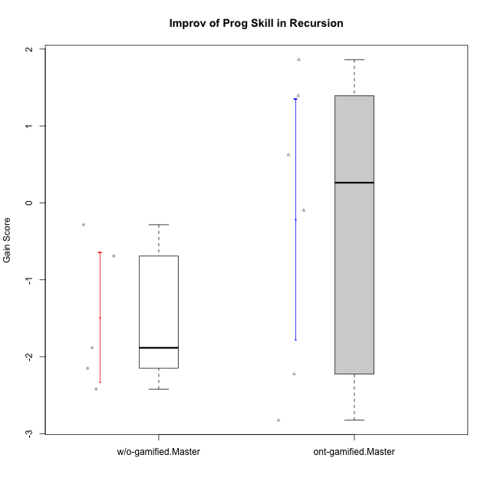

Student's t-Test data
UserID | NroUSP | Type | CLGroup | CLRole | PlayerRole | Re2 | Un2 | Ap3 | Ap1 | An3a | An3b | Ev2 | ReB | UnB | ApC | ApA | AnC1 | AnC2 | EvB | PreScore | PostScore | Gain Score
10174 | 10276852 | w/o-gamified | Grupo7 | Master |  | 0.67857142857 | 0.33333333333 | 0.45454545455 | 1 | 0.42857142857 | 1 | 0.44444444444 | 0.67857142857 | 0.65384615385 | 0 | 0 | 0 | 0.85714285714 | 0 | 4.3394660895 | 2.1895604396 | -2.1499056499
10175 | 10310700 | ont-gamified | Warriors | Master | Social Achiever | 0.51785714286 | 0.66666666667 | 0 | 0.45454545455 | 0.5 | 1 | 1 | 1 | 1 | 1 | 1 | 1 | 0 | 1 | 4.1390692641 | 6 | 1.8609307359
10176 | 10276949 | ont-gamified | Outlaws | Master | Social Achiever | 0.51785714286 | 0.64285714286 | 1 | 0.81818181818 | 1 | 1 | 0 | 0.21428571429 | 0.66666666667 | 0.44444444444 | 0.42857142857 | 1 | 0 | 0 | 4.9788961039 | 2.753968254 | -2.2249278499
10179 | 10310759 | w/o-gamified | Grupo10 | Master |  | 0.85714285714 | 0.64285714286 | 1 | 1 | 0.42857142857 | 0.42857142857 | 0.44444444444 | 0.85714285714 | 0.66666666667 | 0 | 0.42857142857 | 0 | 0.42857142857 | 0 | 4.8015873016 | 2.380952381 | -2.4206349206
10188 | 10276995 | ont-gamified | Vandals | Master | Yee Achiever | 0.53571428571 | 0.33333333333 | 0 | 1 | 1 | 1 | 0 | 1 | 0.83333333333 | 1 | 1 | 0 | 0.42857142857 | 1 | 3.869047619 | 5.2619047619 | 1.3928571429
10191 | 10276981 | w/o-gamified | Grupo1 | Master |  | 0.51785714286 | 0.97619047619 | 1 | 1 | 0 | 0.92857142857 | 0 | 0.67857142857 | 0.98717948718 | 0 | 0 | 0 | 0.42857142857 | 0.44444444444 | 4.4226190476 | 2.5387667888 | -1.8838522589
10216 | 10276720 | ont-gamified | Silly Knights | Master | Social Achiever | 0.51785714286 | 0.66666666667 | 0.45454545455 | 1 | 0.5 | 0.5 | 0 | 1 | 0.83333333333 | 0 | 0.42857142857 | 1 | 1 | 0 | 3.6390692641 | 4.2619047619 | 0.62283549784
10219 | 10276831 | w/o-gamified | Grupo3 | Master |  | 0.375 | 0.64285714286 | 0.45454545455 | 1 | 1 | 0 | 0 | 0.69642857143 | 0.64102564103 | 0.44444444444 | 1 | 0 | 0 | 0 | 3.4724025974 | 2.7818986569 | -0.6905039405
10223 | 9795185 | ont-gamified | Slayers | Master | Social Achiever | 0.51785714286 | 0.33333333333 | 0 | 1 | 1 | 1 | 0 | 0.35714285714 | 0.66666666667 | 0 | 0.42857142857 | 1 | 0.85714285714 | 0.44444444444 | 3.8511904762 | 3.753968254 | -0.097222222222
10230 | 10351992 | ont-gamified | Resistance | Master | Social Achiever | 0.51785714286 | 0.57142857143 | 1 | 1 | 0.85714285714 | 0 | 0.44444444444 | 0.035714285714 | 0.64102564103 | 0.44444444444 | 0 | 0 | 0 | 0.44444444444 | 4.3908730159 | 1.5656288156 | -2.8252442002
10231 | 10276911 | w/o-gamified | Grupo9 | Master |  | 0.51785714286 | 1 | 0 | 1 | 1 | 1 | 0.44444444444 | 0.67857142857 | 1 | 0 | 1 | 1 | 0 | 1 | 4.9623015873 | 4.6785714286 | -0.28373015873

Type_CLRole_6
Student's t-Test for Improv of Prog Skill in Recursion in Type:CLRole between w/o-gamified.Apprentice:w/o-gamified.Master

Student's t-Test results
Alternative hypothesis: less
Group | N | Mean | Mean.Difference | Std.deviation | Std.error | CI.lower | CI.upper | df | t.value | p.value | g | magnitude
w/o-gamified.Apprentice | 10 | -0.67144938395 | 0.81427600178 | 0.96276209949 | 0.30445210793 | -1.2803535998 | -0.062545168096 | 8.2655752799 | 1.566395161 | 0.92265970291 | 0.80124900045 | large
w/o-gamified.Master | 5 | -1.4857253857 | -0.81427600178 | 0.94218707558 | 0.4213588697 | -2.3284431251 | -0.64300764632 | 8.2655752799 | 1.566395161 | 0.92265970291 | 0.80124900045 | large
Alternative hypothesis: greater
Group | N | Mean | Mean.Difference | Std.deviation | Std.error | CI.lower | CI.upper | df | t.value | p.value | g | magnitude
w/o-gamified.Apprentice | 10 | -0.67144938395 | 0.81427600178 | 0.96276209949 | 0.30445210793 | -1.2803535998 | -0.062545168096 | 8.2655752799 | 1.566395161 | 0.077340297087 | 0.80124900045 | large
w/o-gamified.Master | 5 | -1.4857253857 | -0.81427600178 | 0.94218707558 | 0.4213588697 | -2.3284431251 | -0.64300764632 | 8.2655752799 | 1.566395161 | 0.077340297087 | 0.80124900045 | large
Alternative hypothesis: two.sided
Group | N | Mean | Mean.Difference | Std.deviation | Std.error | CI.lower | CI.upper | df | t.value | p.value | g | magnitude
w/o-gamified.Apprentice | 10 | -0.67144938395 | 0.81427600178 | 0.96276209949 | 0.30445210793 | -1.2803535998 | -0.062545168096 | 8.2655752799 | 1.566395161 | 0.15468059417 | 0.80124900045 | large
w/o-gamified.Master | 5 | -1.4857253857 | -0.81427600178 | 0.94218707558 | 0.4213588697 | -2.3284431251 | -0.64300764632 | 8.2655752799 | 1.566395161 | 0.15468059417 | 0.80124900045 | large

Box plots for Student's t-Test
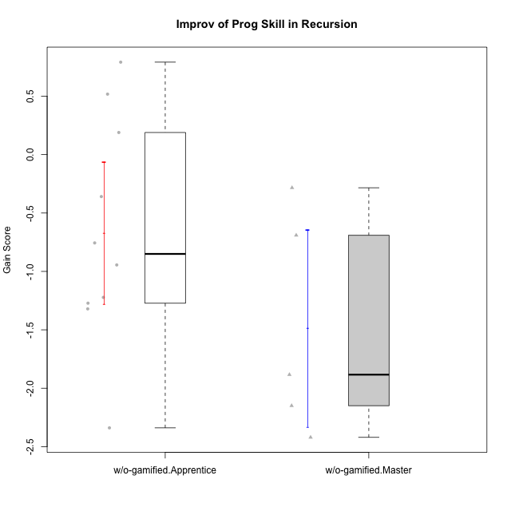

Student's t-Test data
UserID | NroUSP | Type | CLGroup | CLRole | PlayerRole | Re2 | Un2 | Ap3 | Ap1 | An3a | An3b | Ev2 | ReB | UnB | ApC | ApA | AnC1 | AnC2 | EvB | PreScore | PostScore | Gain Score
10170 | 10260351 | w/o-gamified | Grupo11 | Apprentice |  | 0.375 | 0.28571428571 | 0.45454545455 | 1 | 0 | 0.5 | 1 | 0.69642857143 | 0.65384615385 | 0.44444444444 | 0 | 0.5 | 0 | 0 | 3.6152597403 | 2.2947191697 | -1.3205405705
10174 | 10276852 | w/o-gamified | Grupo7 | Master |  | 0.67857142857 | 0.33333333333 | 0.45454545455 | 1 | 0.42857142857 | 1 | 0.44444444444 | 0.67857142857 | 0.65384615385 | 0 | 0 | 0 | 0.85714285714 | 0 | 4.3394660895 | 2.1895604396 | -2.1499056499
10179 | 10310759 | w/o-gamified | Grupo10 | Master |  | 0.85714285714 | 0.64285714286 | 1 | 1 | 0.42857142857 | 0.42857142857 | 0.44444444444 | 0.85714285714 | 0.66666666667 | 0 | 0.42857142857 | 0 | 0.42857142857 | 0 | 4.8015873016 | 2.380952381 | -2.4206349206
10183 | 10352030 | w/o-gamified | Grupo3 | Apprentice |  | 0.51785714286 | 0.61904761905 | 1 | 0 | 0 | 0 | 0 | 0.67857142857 | 0.83333333333 | 0 | 0.28571428571 | 0.42857142857 | 0.42857142857 | 0 | 2.1369047619 | 2.6547619048 | 0.51785714286
10185 | 10276960 | w/o-gamified | Grupo9 | Apprentice |  | 0.83928571429 | 1 | 1 | 0 | 0.5 | 0 | 0 | 1 | 0 | 0 | 0 | 0 | 0 | 0 | 3.3392857143 | 1 | -2.3392857143
10191 | 10276981 | w/o-gamified | Grupo1 | Master |  | 0.51785714286 | 0.97619047619 | 1 | 1 | 0 | 0.92857142857 | 0 | 0.67857142857 | 0.98717948718 | 0 | 0 | 0 | 0.42857142857 | 0.44444444444 | 4.4226190476 | 2.5387667888 | -1.8838522589
10197 | 10276661 | w/o-gamified | Grupo8 | Apprentice |  | 0.51785714286 | 0.66666666667 | 0 | 1 | 0.92857142857 | 0 | 0.44444444444 | 0.35714285714 | 1 | 1 | 0 | 0 | 0 | 0.44444444444 | 3.5575396825 | 2.8015873016 | -0.75595238095
10201 | 10276928 | w/o-gamified | Grupo11 | Apprentice |  | 0.51785714286 | 0.64285714286 | 0 | 1 | 1 | 1 | 0 | 0.66071428571 | 0.83333333333 | 0.44444444444 | 0 | 1 | 0 | 0 | 4.1607142857 | 2.9384920635 | -1.2222222222
10206 | 10310721 | w/o-gamified | Grupo8 | Apprentice |  | 0.69642857143 | 0.64285714286 | 0.45454545455 | 0 | 0.92857142857 | 0 | 1 | 0.67857142857 | 0.98717948718 | 0.38888888889 | 0.42857142857 | 1 | 0.42857142857 | 0 | 3.7224025974 | 3.9117826618 | 0.18938006438
10213 | 10277040 | w/o-gamified | Grupo7 | Apprentice |  | 0.375 | 0.28571428571 | 0 | 1 | 0 | 0.5 | 1 | 1 | 1 | 0 | 0 | 0 | 0.35714285714 | 0.44444444444 | 3.1607142857 | 2.8015873016 | -0.35912698413
10217 | 9805341 | w/o-gamified | Grupo9 | Apprentice |  | 0.51785714286 | 0.61904761905 | 0 | 1 | 1 | 0 | 1 | 1 | 0.83333333333 | 0.33333333333 | 1 | 1 | 0.42857142857 | 0.33333333333 | 4.1369047619 | 4.9285714286 | 0.79166666667
10218 | 9842913 | w/o-gamified | Grupo10 | Apprentice |  | 0.51785714286 | 0.30952380952 | 1 | 1 | 0 | 0 | 0.44444444444 | 1 | 1 | 0 | 0 | 0 | 0 | 0 | 3.2718253968 | 2 | -1.2718253968
10219 | 10276831 | w/o-gamified | Grupo3 | Master |  | 0.375 | 0.64285714286 | 0.45454545455 | 1 | 1 | 0 | 0 | 0.69642857143 | 0.64102564103 | 0.44444444444 | 1 | 0 | 0 | 0 | 3.4724025974 | 2.7818986569 | -0.6905039405
10231 | 10276911 | w/o-gamified | Grupo9 | Master |  | 0.51785714286 | 1 | 0 | 1 | 1 | 1 | 0.44444444444 | 0.67857142857 | 1 | 0 | 1 | 1 | 0 | 1 | 4.9623015873 | 4.6785714286 | -0.28373015873
10232 | 10276974 | w/o-gamified | Grupo7 | Apprentice |  | 0.51785714286 | 0.64285714286 | 1 | 1 | 0 | 0.42857142857 | 0.38888888889 | 0.51785714286 | 1 | 0.44444444444 | 0.42857142857 | 0.35714285714 | 0.28571428571 | 0 | 3.9781746032 | 3.0337301587 | -0.94444444444

