Assumptions
ANOVA assumptions for Interest/Enjoyment Score

Shapiro-Wilk normality test for Interest/Enjoyment Score
W | p.value
0.97383389846 | 0.5927882398

Plots for normality test
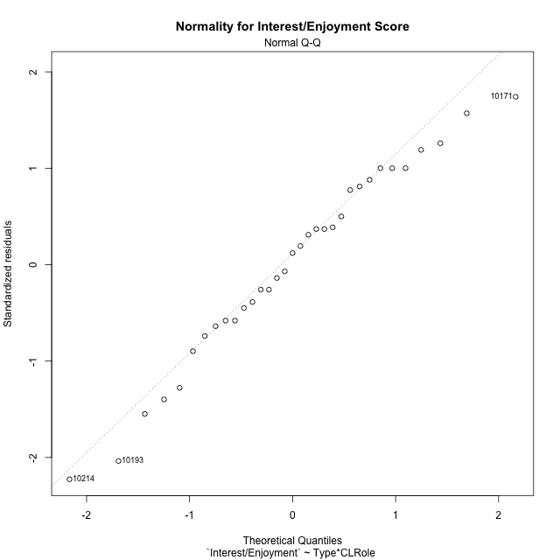

Levene's Test for Homogeneity of Variance in Interest/Enjoyment Score
Df | F value | Pr(>F)
3 | 1.3845801017 | 0.26722558106
29

Plots for homogeneity of variance
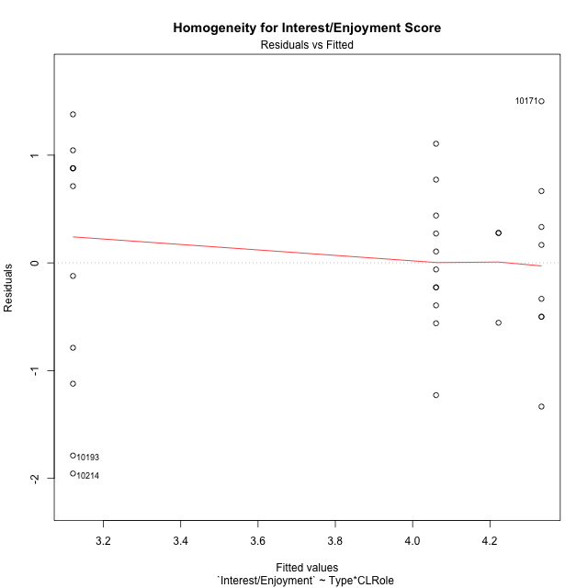

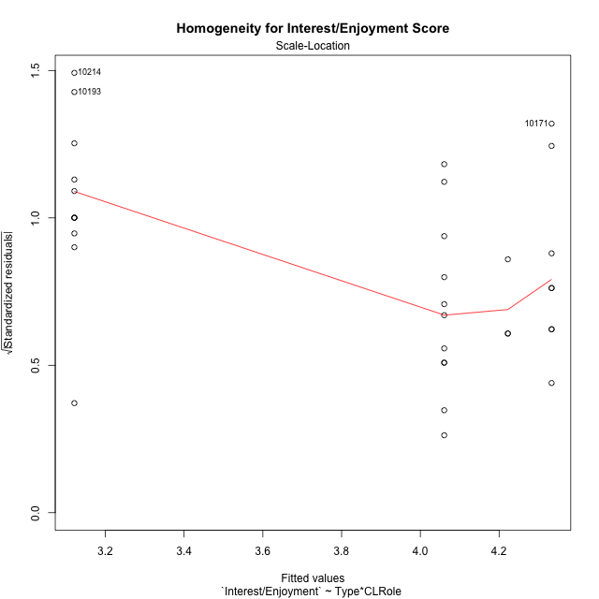

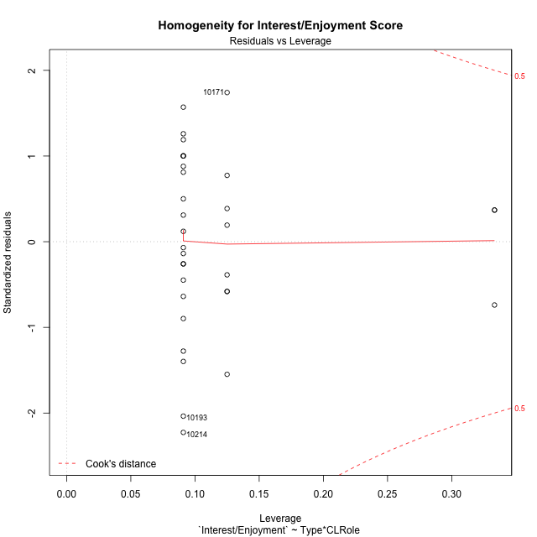

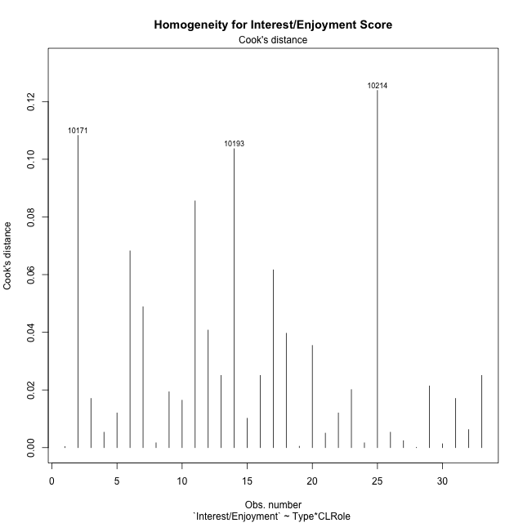

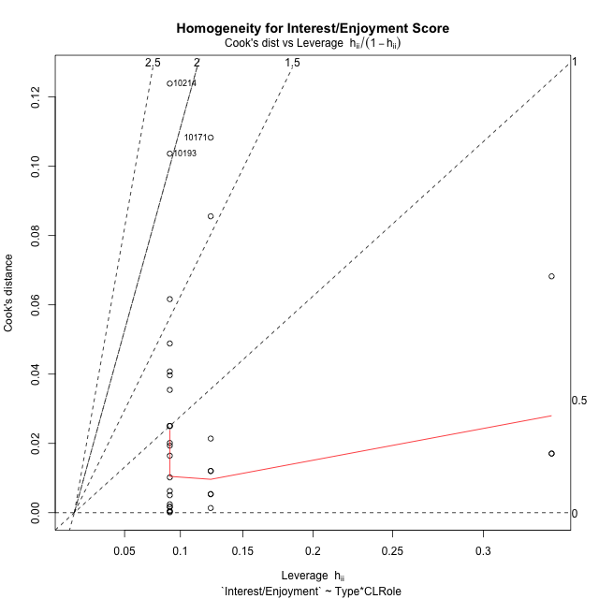

Minimum Sample Size Test for Interest/Enjoyment Score
Type | CLRole | Freq
ont-gamified | Apprentice | 11
w/o-gamified | Apprentice | 11
ont-gamified | Master | 8
w/o-gamified | Master | 3

Errors and Warnings in Sample Size Test for ANOVA in Interest/Enjoyment Score
code | description
WARN: sample.size | current size is 11 and recommended size is 15 for the group: 'ont-gamified:Apprentice'.
WARN: sample.size | current size is 11 and recommended size is 15 for the group: 'w/o-gamified:Apprentice'.
WARN: sample.size | current size is 8 and recommended size is 15 for the group: 'ont-gamified:Master'.
FAIL: min.size | current size is 3 but the minimal recomended size is 5 for the group: 'w/o-gamified:Master'.

For the group: 'ont-gamified:Apprentice', we recommend the use of non-parametric test. For the group: 'w/o-gamified:Apprentice', we recommend the use of non-parametric test. For the group: 'ont-gamified:Master', we recommend the use of non-parametric test. For the group: 'w/o-gamified:Master', we recommend the use of non-parametric test.

Post-hoc
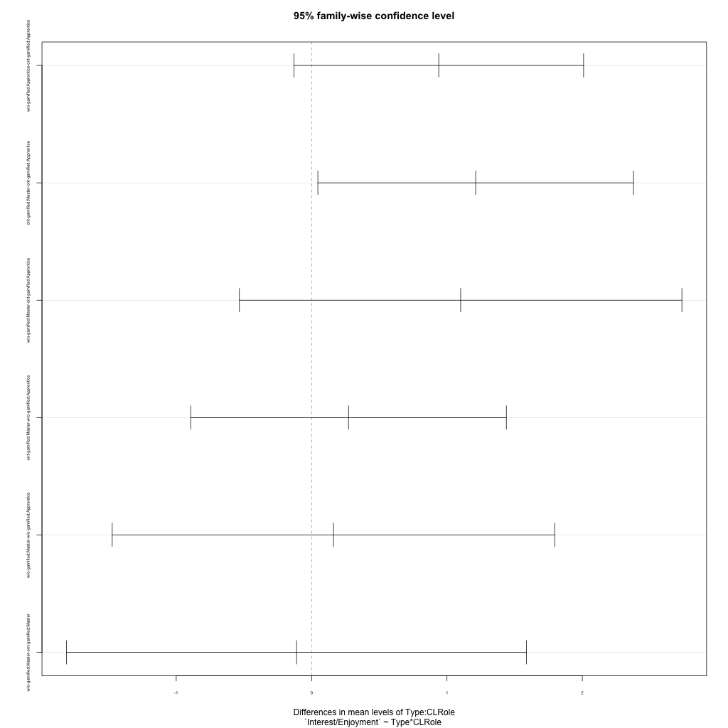
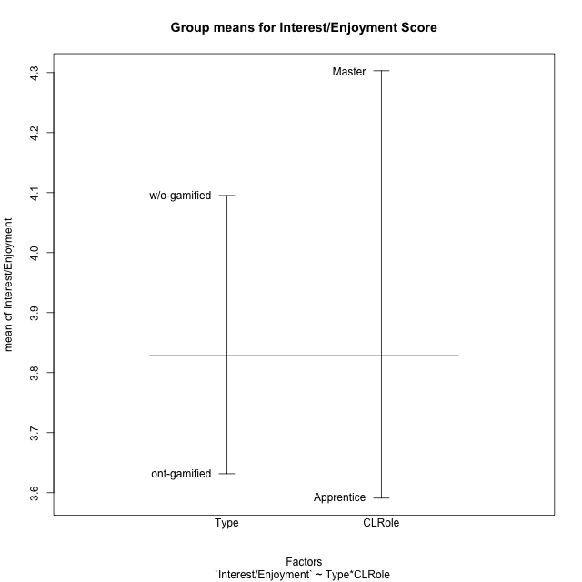
Post-hoc Tukey Honestly Significant Difference (HSD) Test for Interest/Enjoyment Score

Comparisons of means for Type
 | diff | lwr | upr | p adj
w/o-gamified-ont-gamified | 0.46365914787 | -0.19974205278 | 1.1270603485 | 0.16356393244

Comparisons of means for CLRole
 | diff | lwr | upr | p adj
Master-Apprentice | 0.81749829118 | 0.12197866646 | 1.5130179159 | 0.022835399391

Comparisons of means for Type:CLRole
 | diff | lwr | upr | p adj
w/o-gamified:Apprentice-ont-gamified:Apprentice | 0.93939393939 | -0.13046109426 | 2.009248973 | 0.10108414938
ont-gamified:Master-ont-gamified:Apprentice | 1.2121212121 | 0.046273718135 | 2.3779687061 | 0.039236848016
w/o-gamified:Master-ont-gamified:Apprentice | 1.101010101 | -0.53322045711 | 2.7352406591 | 0.27778339176
ont-gamified:Master-w/o-gamified:Apprentice | 0.27272727273 | -0.89312022126 | 1.4385747667 | 0.91905981101
w/o-gamified:Master-w/o-gamified:Apprentice | 0.16161616162 | -1.4726143965 | 1.7958467197 | 0.99300681652
w/o-gamified:Master-ont-gamified:Master | -0.11111111111 | -1.8097341132 | 1.587511891 | 0.99794205084

Contrast Matrices for Interest/Enjoyment Score - Type
contrast | estimate | SE | df | t.ratio | p.value
ont-gamified - w/o-gamified | -0.41414141414 | 0.36840830874 | 29 | -1.1241370086 | 0.27017421592

Contrast Matrices for Interest/Enjoyment Score - Type:CLRole
contrast | CLRole | estimate | SE | df | t.ratio | p.value
ont-gamified - w/o-gamified | Apprentice | -0.93939393939 | 0.39267809764 | 29 | -2.3922748558 | 0.023445975855
ont-gamified - w/o-gamified | Master | 0.11111111111 | 0.62346021479 | 29 | 0.17821684283 | 0.85979181078

Least Squares Means and Confidence Intervals for Type
Type | lsmean | SE | df | lower.CL | upper.CL | Pairs
ont-gamified | 3.7272727273 | 0.21395551812 | 29 | 3.2896845595 | 4.164860895 | ont-gamified
w/o-gamified | 4.1414141414 | 0.29991285103 | 29 | 3.5280234884 | 4.7548047944 | w/o-gamified

Least Squares Means and Confidence Intervals for Type:CLRole
Type | CLRole | lsmean | SE | df | lower.CL | upper.CL | Pairs
ont-gamified | Apprentice | 3.1212121212 | 0.27766534566 | 29 | 2.5533227257 | 3.6891015168 | ont-gamified.Apprentice
w/o-gamified | Apprentice | 4.0606060606 | 0.27766534566 | 29 | 3.4927166651 | 4.6284954562 | w/o-gamified.Apprentice
ont-gamified | Master | 4.3333333333 | 0.32559147831 | 29 | 3.6674239907 | 4.999242676 | ont-gamified.Master
w/o-gamified | Master | 4.2222222222 | 0.53168865765 | 29 | 3.1347968192 | 5.3096476252 | w/o-gamified.Master

Plots

Type_1
Student's t-Test for Interest/Enjoyment Score in Type between ont-gamified:w/o-gamified

Student's t-Test results
Alternative hypothesis: less
Group | N | Mean | Mean.Difference | Std.deviation | Std.error | CI.lower | CI.upper | df | t.value | p.value | g | magnitude
ont-gamified | 19 | 3.6315789474 | -0.46365914787 | 1.2191615052 | 0.27969483143 | 3.0721892845 | 4.1909686102 | 27.679142398 | -1.4371362953 | 0.080944134397 | -0.44902588837 | small
w/o-gamified | 14 | 4.0952380952 | 0.46365914787 | 0.60168668095 | 0.16080752959 | 3.7736230361 | 4.4168531544 | 27.679142398 | -1.4371362953 | 0.080944134397 | -0.44902588837 | small
Alternative hypothesis: greater
Group | N | Mean | Mean.Difference | Std.deviation | Std.error | CI.lower | CI.upper | df | t.value | p.value | g | magnitude
ont-gamified | 19 | 3.6315789474 | -0.46365914787 | 1.2191615052 | 0.27969483143 | 3.0721892845 | 4.1909686102 | 27.679142398 | -1.4371362953 | 0.9190558656 | -0.44902588837 | small
w/o-gamified | 14 | 4.0952380952 | 0.46365914787 | 0.60168668095 | 0.16080752959 | 3.7736230361 | 4.4168531544 | 27.679142398 | -1.4371362953 | 0.9190558656 | -0.44902588837 | small
Alternative hypothesis: two.sided
Group | N | Mean | Mean.Difference | Std.deviation | Std.error | CI.lower | CI.upper | df | t.value | p.value | g | magnitude
ont-gamified | 19 | 3.6315789474 | -0.46365914787 | 1.2191615052 | 0.27969483143 | 3.0721892845 | 4.1909686102 | 27.679142398 | -1.4371362953 | 0.16188826879 | -0.44902588837 | small
w/o-gamified | 14 | 4.0952380952 | 0.46365914787 | 0.60168668095 | 0.16080752959 | 3.7736230361 | 4.4168531544 | 27.679142398 | -1.4371362953 | 0.16188826879 | -0.44902588837 | small

Box plots for Student's t-Test
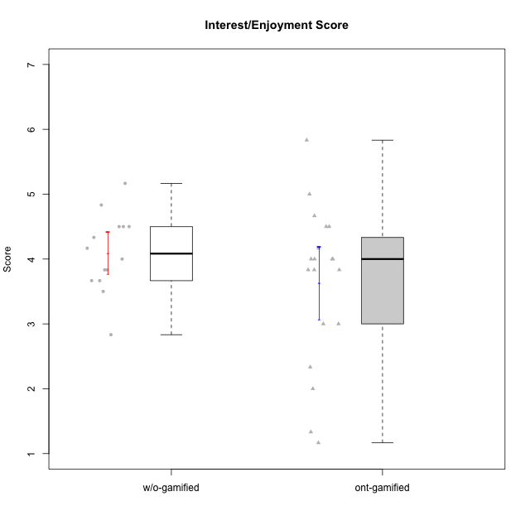

Student's t-Test data
UserID | Type | CLGroup | CLRole | PlayerRole | NroUSP | Item09IE | Item21IE | Item08IE | Item11IE | Item24IE | Item12IE | Item05PC | Item18PC | Item20PC | Item13PC | Item03PC | Item06PT | Item02PT | Item04PT | Item19EI | Item01EI | Item22EI | Item20A | Item25A | Item18A | Item07A | Item04A | Item01S | Item02S | Item09R | Item06R | Item12R | Interest/Enjoyment | Perceived Choice | Pressure/Tension | Effort/Importance | Attention | Relevance | Satisfaction | Intrinsic Motivation | Level of Motivation
10170 | w/o-gamified | Grupo11 | Apprentice |  | 10260351 | 4 | 4 | 6 | 4 | 4 | 3 | 2 | 1 | 3 | 2 | 3 | 1 | 1 | 1 | 3 | 3 | 5 | 6 | 5 | 6 | 5 | 4 | 4 | 4 | 2 | 1 | 6 | 4.1666666667 | 5.8 | 1 | 5 | 5.2 | 6.3333333333 | 4 | 5.2941176471 | 5.3
10171 | ont-gamified | Mafia | Master | Social Achiever | 698531 | 6 | 7 | 6 | 6 | 5 | 5 | 2 | 2 | 1 | 2 | 2 | 1 | 2 | 2 | 1 | 1 | 6 | 6 | 5 | 6 | 5 | 5 | 6 | 6 | 2 | 2 | 7 | 5.8333333333 | 6.2 | 1.6666666667 | 6.6666666667 | 5.4 | 6.3333333333 | 6 | 6.1764705882 | 5.8
10174 | w/o-gamified | Grupo7 | Master |  | 10276852 | 4 | 4 | 6 | 4 | 6 | 3 | 4 | 3 | 4 | 4 | 4 | 6 | 4 | 5 | 2 | 5 | 4 | 4 | 4 | 5 | 6 | 5 | 6 | 5 | 6 | 5 | 4 | 4.5 | 4.2 | 5 | 4.3333333333 | 4.8 | 3 | 5.5 | 4.1176470588 | 4.4
10175 | ont-gamified | Warriors | Master | Social Achiever | 10310700 | 4 | 4 | 4 | 4 | 4 | 4 | 1 | 1 | 1 | 1 | 3 | 1 | 1 | 1 | 1 | 1 | 4 | 5 | 5 | 5 | 6 | 6 | 6 | 6 | 2 | 1 | 7 | 4 | 6.6 | 1 | 6 | 5.4 | 6.6666666667 | 6 | 5.6470588235 | 5.9
10176 | ont-gamified | Outlaws | Master | Social Achiever | 10276949 | 4 | 4 | 4 | 4 | 4 | 3 | 4 | 5 | 4 | 6 | 4 | 6 | 4 | 6 | 5 | 4 | 4 | 5 | 5 | 5 | 4 | 4 | 4 | 4 | 4 | 4 | 4 | 3.8333333333 | 3.4 | 5.3333333333 | 3.6666666667 | 4.6 | 4 | 4 | 3.4705882353 | 4.3
10179 | w/o-gamified | Grupo10 | Master |  | 10310759 | 3 | 4 | 3 | 2 | 4 | 6 | 6 | 5 | 4 | 5 | 7 | 2 | 1 | 1 | 1 | 2 | 5 | 4 | 4 | 4 | 2 | 5 | 3 | 4 | 4 | 2 | 4 | 3.6666666667 | 2.6 | 1.3333333333 | 6 | 3.8 | 4.6666666667 | 3.5 | 4.2941176471 | 4
10183 | w/o-gamified | Grupo3 | Apprentice |  | 10352030 | 3 | 3 | 3 | 3 | 2 | 3 | 4 | 3 | 5 | 2 | 4 | 5 | 4 | 4 | 3 | 4 | 4 | 2 | 2 | 2 | 2 | 3 | 2 | 2 | 5 | 2 | 3 | 2.8333333333 | 4.4 | 4.3333333333 | 4.3333333333 | 2.2 | 4 | 2 | 3.7058823529 | 2.7
10184 | w/o-gamified | Grupo10 | Apprentice |  | 10276675 | 4 | 3 | 4 | 4 | 4 | 4 | 5 | 4 | 4 | 3 | 4 | 4 | 4 | 3 | 4 | 4 | 4 | 4 | 4 | 4 | 2 | 4 | 6 | 4 | 4 | 4 | 4 | 3.8333333333 | 4 | 3.6666666667 | 4 | 3.6 | 4 | 5 | 4 | 4
10185 | w/o-gamified | Grupo9 | Apprentice |  | 10276960 | 4 | 3 | 6 | 5 | 6 | 5 | 6 | 6 | 3 | 5 | 3 | 5 | 4 | 4 | 3 | 4 | 5 | 3 | 5 | 3 | 4 | 2 | 4 | 5 | 5 | 3 | 3 | 4.8333333333 | 3.4 | 4.3333333333 | 4.6666666667 | 3.4 | 3.6666666667 | 4.5 | 4.1764705882 | 3.7
10186 | ont-gamified | Slayers | Apprentice | Social Achiever | 10310551 | 4 | 3 | 6 | 6 | 3 | 1 | 4 | 4 | 1 | 4 | 4 | 4 | 5 | 4 | 1 | 1 | 7 | 4 | 1 | 4 | 1 | 4 | 7 | 7 | 3 | 1 | 6 | 3.8333333333 | 4.6 | 4.3333333333 | 7 | 2.8 | 6 | 7 | 4.5882352941 | 4.6
10188 | ont-gamified | Vandals | Master | Yee Achiever | 10276995 | 3 | 3 | 4 | 1 | 3 | 4 | 1 | 1 | 1 | 3 | 3 | 1 | 1 | 1 | 3 | 2 | 1 | 3 | 4 | 4 | 2 | 4 | 3 | 3 | 2 | 2 | 4 | 3 | 6.2 | 1 | 4 | 3.4 | 5.3333333333 | 3 | 4.8235294118 | 3.9
10189 | ont-gamified | Vikings | Apprentice | Social Achiever | 9363926 | 2 | 2 | 4 | 1 | 2 | 1 | 5 | 4 | 4 | 5 | 5 | 2 | 1 | 1 | 3 | 1 | 6 | 1 | 1 | 2 | 1 | 2 | 3 | 2 | 6 | 1 | 4 | 2 | 3.4 | 1.3333333333 | 6 | 1.4 | 4.3333333333 | 2.5 | 3.9411764706 | 2.5
10192 | ont-gamified | Attractive Devils | Apprentice | Social Achiever | 10276682 | 4 | 5 | 4 | 6 | 1 | 4 | 2 | 4 | 4 | 3 | 3 | 4 | 4 | 4 | 5 | 1 | 5 | 4 | 4 | 4 | 7 | 5 | 7 | 6 | 1 | 2 | 5 | 4 | 4.8 | 4 | 5 | 4.8 | 6 | 6.5 | 4.4117647059 | 5.5
10193 | ont-gamified | Vandals | Apprentice | Yee Achiever | 10276762 | 2 | 1 | 1 | 1 | 2 | 1 | 1 | 1 | 1 | 1 | 1 | 2 | 1 | 1 | 2 | 1 | 2 | 2 | 1 | 2 | 1 | 1 | 1 | 2 | 1 | 4 | 1 | 1.3333333333 | 7 | 1.3333333333 | 5 | 1.4 | 4 | 1.5 | 4.5882352941 | 2.2
10197 | w/o-gamified | Grupo8 | Apprentice |  | 10276661 | 3 | 2 | 5 | 5 | 2 | 4 | 3 | 2 | 4 | 4 | 2 | 5 | 3 | 3 | 3 | 3 | 4 | 4 | 4 | 7 | 5 | 4 | 4 | 4 | 5 | 4 | 4 | 3.5 | 5 | 3.6666666667 | 4.6666666667 | 4.8 | 3.6666666667 | 4 | 4.2941176471 | 4.3
10198 | ont-gamified | Attractive Devils | Apprentice | Social Achiever | 10310888 | 6 | 3 | 4 | 4 | 2 | 5 | 4 | 6 | 6 | 5 | 1 | 4 | 4 | 4 | 3 | 2 | 6 | 6 | 5 | 5 | 7 | 7 | 7 | 7 | 2 | 1 | 5 | 4 | 3.6 | 4 | 5.6666666667 | 6 | 6 | 7 | 4.1764705882 | 6.2
10200 | ont-gamified | Warriors | Apprentice | Social Achiever | 9795272 | 4 | 5 | 5 | 5 | 5 | 3 | 4 | 2 | 2 | 5 | 3 | 4 | 5 | 5 | 1 | 1 | 6 | 4 | 5 | 4 | 6 | 5 | 5 | 6 | 3 | 1 | 6 | 4.5 | 4.8 | 4.6666666667 | 6.6666666667 | 4.8 | 6 | 5.5 | 4.7647058824 | 5.3
10201 | w/o-gamified | Grupo11 | Apprentice |  | 10276928 | 5 | 6 | 6 | 5 | 3 | 6 | 3 | 4 | 4 | 3 | 5 | 4 | 3 | 2 | 3 | 3 | 5 | 6 | 5 | 6 | 6 | 4 | 6 | 5 | 4 | 2 | 6 | 5.1666666667 | 4.2 | 3 | 5 | 5.4 | 5.3333333333 | 5.5 | 4.8235294118 | 5.4
10202 | ont-gamified | Silly Knights | Apprentice | Social Achiever | 10277036 | 3 | 3 | 3 | 3 | 3 | 3 | 2 | 5 | 2 | 2 | 3 | 3 | 3 | 3 | 2 | 2 | 5 | 2 | 3 | 2 | 2 | 4 | 5 | 5 | 3 | 2 | 5 | 3 | 5.2 | 3 | 5.6666666667 | 2.6 | 5.3333333333 | 5 | 4.4705882353 | 3.9
10203 | ont-gamified | Mercenaries | Apprentice | Social Achiever | 9921470 | 5 | 4 | 3 | 4 | 4 | 5 | 1 | 1 | 1 | 1 | 4 | 1 | 2 | 5 | 1 | 1 | 6 | 7 | 5 | 4 | 6 | 4 | 5 | 7 | 4 | 6 | 4 | 4.1666666667 | 6.4 | 2.6666666667 | 6.6666666667 | 5.2 | 3.3333333333 | 6 | 5.4705882353 | 4.8
10206 | w/o-gamified | Grupo8 | Apprentice |  | 10310721 | 4 | 5 | 4 | 2 | 4 | 3 | 2 | 2 | 2 | 3 | 3 | 3 | 3 | 2 | 2 | 2 | 5 | 4 | 6 | 4 | 4 | 5 | 5 | 5 | 3 | 2 | 6 | 3.6666666667 | 5.6 | 2.6666666667 | 5.6666666667 | 4.6 | 5.6666666667 | 5 | 4.8823529412 | 5
10208 | ont-gamified | Mercenaries | Master | Social Achiever | 10276932 | 4 | 4 | 4 | 4 | 4 | 3 | 2 | 4 | 2 | 4 | 4 | 2 | 2 | 2 | 2 | 2 | 4 | 2 | 2 | 2 | 3 | 3 | 5 | 5 | 5 | 3 | 3 | 3.8333333333 | 4.8 | 2 | 5.3333333333 | 2.4 | 3.6666666667 | 5 | 4.7647058824 | 3.3
10209 | ont-gamified | Mafia | Apprentice | Social Achiever | 10262669 | 2 | 2 | 2 | 4 | 2 | 2 | 7 | 7 | 7 | 7 | 7 | 1 | 2 | 1 | 3 | 2 | 2 | 1 | 2 | 2 | 2 | 3 | 2 | 2 | 4 | 3 | 4 | 2.3333333333 | 1 | 1.3333333333 | 4.3333333333 | 2 | 4.3333333333 | 2 | 3.0588235294 | 2.7
10213 | w/o-gamified | Grupo7 | Apprentice |  | 10277040 | 3 | 4 | 4 | 7 | 4 | 1 | 7 | 7 | 7 | 7 | 7 | 7 | 1 | 7 | 1 | 1 | 7 | 7 | 7 | 5 | 7 | 7 | 7 | 4 | 2 | 1 | 4 | 3.8333333333 | 1 | 5 | 7 | 6.6 | 5.6666666667 | 5.5 | 3.4117647059 | 6.1
10214 | ont-gamified | Vikings | Apprentice | Social Achiever | 10277022 | 1 | 1 | 2 | 1 | 1 | 1 | 2 | 7 | 6 | 6 | 6 | 4 | 5 | 1 | 1 | 1 | 7 | 1 | 2 | 1 | 1 | 4 | 3 | 4 | 5 | 2 | 2 | 1.1666666667 | 2.6 | 3.3333333333 | 7 | 1.8 | 3.6666666667 | 3.5 | 3.2352941176 | 2.7
10216 | ont-gamified | Silly Knights | Master | Social Achiever | 10276720 | 5 | 4 | 4 | 3 | 5 | 7 | 2 | 1 | 3 | 2 | 3 | 1 | 1 | 1 | 2 | 1 | 4 | 5 | 6 | 4 | 2 | 4 | 5 | 5 | 2 | 1 | 7 | 4.6666666667 | 5.8 | 1 | 5.6666666667 | 4.2 | 6.6666666667 | 5 | 5.5882352941 | 5.1
10217 | w/o-gamified | Grupo9 | Apprentice |  | 9805341 | 5 | 5 | 5 | 3 | 4 | 4 | 5 | 4 | 2 | 4 | 4 | 1 | 1 | 1 | 4 | 3 | 2 | 4 | 4 | 3 | 4 | 5 | 4 | 4 | 3 | 3 | 6 | 4.3333333333 | 4.2 | 1 | 3.6666666667 | 4 | 5.3333333333 | 4 | 4.6470588235 | 4.4
10218 | w/o-gamified | Grupo10 | Apprentice |  | 9842913 | 4 | 4 | 4 | 4 | 4 | 4 | 5 | 5 | 4 | 4 | 4 | 4 | 4 | 5 | 4 | 4 | 5 | 4 | 4 | 3 | 5 | 3 | 4 | 3 | 3 | 4 | 4 | 4 | 3.6 | 4.3333333333 | 4.3333333333 | 3.8 | 4.3333333333 | 3.5 | 3.8823529412 | 3.9
10223 | ont-gamified | Slayers | Master | Social Achiever | 9795185 | 5 | 5 | 6 | 4 | 5 | 5 | 4 | 3 | 4 | 4 | 4 | 2 | 4 | 4 | 4 | 4 | 4 | 4 | 4 | 3 | 4 | 4 | 4 | 5 | 2 | 3 | 7 | 5 | 4.2 | 3.3333333333 | 4 | 3.8 | 6 | 4.5 | 4.5294117647 | 4.6
10230 | ont-gamified | Resistance | Master | Social Achiever | 10351992 | 4 | 5 | 5 | 4 | 5 | 4 | 4 | 3 | 5 | 3 | 5 | 6 | 5 | 4 | 2 | 3 | 5 | 2 | 4 | 3 | 6 | 6 | 4 | 6 | 3 | 4 | 4 | 4.5 | 4 | 5 | 5.3333333333 | 4.2 | 4.3333333333 | 5 | 4.2352941176 | 4.4
10231 | w/o-gamified | Grupo9 | Master |  | 10276911 | 4 | 4 | 4 | 4 | 5 | 6 | 1 | 2 | 2 | 2 | 1 | 1 | 1 | 1 | 4 | 3 | 1 | 4 | 4 | 4 | 4 | 4 | 7 | 5 | 4 | 4 | 5 | 4.5 | 6.4 | 1 | 3.3333333333 | 4 | 4.3333333333 | 6 | 5.2941176471 | 4.5
10232 | w/o-gamified | Grupo7 | Apprentice |  | 10276974 | 4 | 4 | 5 | 5 | 5 | 4 | 3 | 4 | 4 | 3 | 3 | 2 | 2 | 2 | 1 | 1 | 6 | 4 | 6 | 4 | 5 | 6 | 6 | 5 | 2 | 1 | 7 | 4.5 | 4.6 | 2 | 6.6666666667 | 5 | 6.6666666667 | 5.5 | 5.1764705882 | 5.6
10237 | ont-gamified | Outlaws | Apprentice | Social Achiever | 10377688 | 3 | 5 | 3 | 3 | 6 | 4 | 3 | 3 | 4 | 3 | 6 | 4 | 6 | 5 | 4 | 2 | 5 | 3 | 3 | 4 | 5 | 3 | 3 | 4 | 4 | 3 | 5 | 4 | 4.2 | 5 | 5 | 3.6 | 4.6666666667 | 3.5 | 4.0588235294 | 3.9

Type_CLRole_1
Student's t-Test for Interest/Enjoyment Score in Type:CLRole between ont-gamified.Apprentice:ont-gamified.Master

Student's t-Test results
Alternative hypothesis: less
Group | N | Mean | Mean.Difference | Std.deviation | Std.error | CI.lower | CI.upper | df | t.value | p.value | g | magnitude
ont-gamified.Apprentice | 11 | 3.1212121212 | -1.2121212121 | 1.2135597524 | 0.36590203268 | 2.3894080558 | 3.8530161866 | 16.9998982 | -2.5433193687 | 0.010498236482 | -1.0688326964 | large
ont-gamified.Master | 8 | 4.3333333333 | 1.2121212121 | 0.86373129272 | 0.3053751271 | 3.7225830791 | 4.9440835875 | 16.9998982 | -2.5433193687 | 0.010498236482 | -1.0688326964 | large
Alternative hypothesis: greater
Group | N | Mean | Mean.Difference | Std.deviation | Std.error | CI.lower | CI.upper | df | t.value | p.value | g | magnitude
ont-gamified.Apprentice | 11 | 3.1212121212 | -1.2121212121 | 1.2135597524 | 0.36590203268 | 2.3894080558 | 3.8530161866 | 16.9998982 | -2.5433193687 | 0.98950176352 | -1.0688326964 | large
ont-gamified.Master | 8 | 4.3333333333 | 1.2121212121 | 0.86373129272 | 0.3053751271 | 3.7225830791 | 4.9440835875 | 16.9998982 | -2.5433193687 | 0.98950176352 | -1.0688326964 | large
Alternative hypothesis: two.sided
Group | N | Mean | Mean.Difference | Std.deviation | Std.error | CI.lower | CI.upper | df | t.value | p.value | g | magnitude
ont-gamified.Apprentice | 11 | 3.1212121212 | -1.2121212121 | 1.2135597524 | 0.36590203268 | 2.3894080558 | 3.8530161866 | 16.9998982 | -2.5433193687 | 0.020996472963 | -1.0688326964 | large
ont-gamified.Master | 8 | 4.3333333333 | 1.2121212121 | 0.86373129272 | 0.3053751271 | 3.7225830791 | 4.9440835875 | 16.9998982 | -2.5433193687 | 0.020996472963 | -1.0688326964 | large

Box plots for Student's t-Test
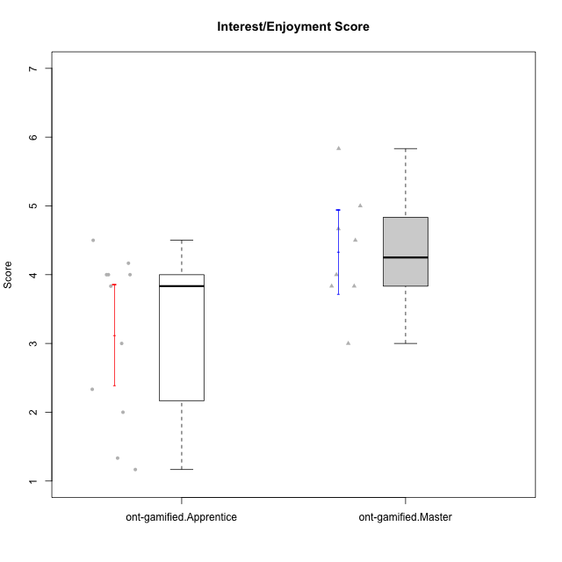

Student's t-Test data
UserID | Type | CLGroup | CLRole | PlayerRole | NroUSP | Item09IE | Item21IE | Item08IE | Item11IE | Item24IE | Item12IE | Item05PC | Item18PC | Item20PC | Item13PC | Item03PC | Item06PT | Item02PT | Item04PT | Item19EI | Item01EI | Item22EI | Item20A | Item25A | Item18A | Item07A | Item04A | Item01S | Item02S | Item09R | Item06R | Item12R | Interest/Enjoyment | Perceived Choice | Pressure/Tension | Effort/Importance | Attention | Relevance | Satisfaction | Intrinsic Motivation | Level of Motivation
10171 | ont-gamified | Mafia | Master | Social Achiever | 698531 | 6 | 7 | 6 | 6 | 5 | 5 | 2 | 2 | 1 | 2 | 2 | 1 | 2 | 2 | 1 | 1 | 6 | 6 | 5 | 6 | 5 | 5 | 6 | 6 | 2 | 2 | 7 | 5.8333333333 | 6.2 | 1.6666666667 | 6.6666666667 | 5.4 | 6.3333333333 | 6 | 6.1764705882 | 5.8
10175 | ont-gamified | Warriors | Master | Social Achiever | 10310700 | 4 | 4 | 4 | 4 | 4 | 4 | 1 | 1 | 1 | 1 | 3 | 1 | 1 | 1 | 1 | 1 | 4 | 5 | 5 | 5 | 6 | 6 | 6 | 6 | 2 | 1 | 7 | 4 | 6.6 | 1 | 6 | 5.4 | 6.6666666667 | 6 | 5.6470588235 | 5.9
10176 | ont-gamified | Outlaws | Master | Social Achiever | 10276949 | 4 | 4 | 4 | 4 | 4 | 3 | 4 | 5 | 4 | 6 | 4 | 6 | 4 | 6 | 5 | 4 | 4 | 5 | 5 | 5 | 4 | 4 | 4 | 4 | 4 | 4 | 4 | 3.8333333333 | 3.4 | 5.3333333333 | 3.6666666667 | 4.6 | 4 | 4 | 3.4705882353 | 4.3
10186 | ont-gamified | Slayers | Apprentice | Social Achiever | 10310551 | 4 | 3 | 6 | 6 | 3 | 1 | 4 | 4 | 1 | 4 | 4 | 4 | 5 | 4 | 1 | 1 | 7 | 4 | 1 | 4 | 1 | 4 | 7 | 7 | 3 | 1 | 6 | 3.8333333333 | 4.6 | 4.3333333333 | 7 | 2.8 | 6 | 7 | 4.5882352941 | 4.6
10188 | ont-gamified | Vandals | Master | Yee Achiever | 10276995 | 3 | 3 | 4 | 1 | 3 | 4 | 1 | 1 | 1 | 3 | 3 | 1 | 1 | 1 | 3 | 2 | 1 | 3 | 4 | 4 | 2 | 4 | 3 | 3 | 2 | 2 | 4 | 3 | 6.2 | 1 | 4 | 3.4 | 5.3333333333 | 3 | 4.8235294118 | 3.9
10189 | ont-gamified | Vikings | Apprentice | Social Achiever | 9363926 | 2 | 2 | 4 | 1 | 2 | 1 | 5 | 4 | 4 | 5 | 5 | 2 | 1 | 1 | 3 | 1 | 6 | 1 | 1 | 2 | 1 | 2 | 3 | 2 | 6 | 1 | 4 | 2 | 3.4 | 1.3333333333 | 6 | 1.4 | 4.3333333333 | 2.5 | 3.9411764706 | 2.5
10192 | ont-gamified | Attractive Devils | Apprentice | Social Achiever | 10276682 | 4 | 5 | 4 | 6 | 1 | 4 | 2 | 4 | 4 | 3 | 3 | 4 | 4 | 4 | 5 | 1 | 5 | 4 | 4 | 4 | 7 | 5 | 7 | 6 | 1 | 2 | 5 | 4 | 4.8 | 4 | 5 | 4.8 | 6 | 6.5 | 4.4117647059 | 5.5
10193 | ont-gamified | Vandals | Apprentice | Yee Achiever | 10276762 | 2 | 1 | 1 | 1 | 2 | 1 | 1 | 1 | 1 | 1 | 1 | 2 | 1 | 1 | 2 | 1 | 2 | 2 | 1 | 2 | 1 | 1 | 1 | 2 | 1 | 4 | 1 | 1.3333333333 | 7 | 1.3333333333 | 5 | 1.4 | 4 | 1.5 | 4.5882352941 | 2.2
10198 | ont-gamified | Attractive Devils | Apprentice | Social Achiever | 10310888 | 6 | 3 | 4 | 4 | 2 | 5 | 4 | 6 | 6 | 5 | 1 | 4 | 4 | 4 | 3 | 2 | 6 | 6 | 5 | 5 | 7 | 7 | 7 | 7 | 2 | 1 | 5 | 4 | 3.6 | 4 | 5.6666666667 | 6 | 6 | 7 | 4.1764705882 | 6.2
10200 | ont-gamified | Warriors | Apprentice | Social Achiever | 9795272 | 4 | 5 | 5 | 5 | 5 | 3 | 4 | 2 | 2 | 5 | 3 | 4 | 5 | 5 | 1 | 1 | 6 | 4 | 5 | 4 | 6 | 5 | 5 | 6 | 3 | 1 | 6 | 4.5 | 4.8 | 4.6666666667 | 6.6666666667 | 4.8 | 6 | 5.5 | 4.7647058824 | 5.3
10202 | ont-gamified | Silly Knights | Apprentice | Social Achiever | 10277036 | 3 | 3 | 3 | 3 | 3 | 3 | 2 | 5 | 2 | 2 | 3 | 3 | 3 | 3 | 2 | 2 | 5 | 2 | 3 | 2 | 2 | 4 | 5 | 5 | 3 | 2 | 5 | 3 | 5.2 | 3 | 5.6666666667 | 2.6 | 5.3333333333 | 5 | 4.4705882353 | 3.9
10203 | ont-gamified | Mercenaries | Apprentice | Social Achiever | 9921470 | 5 | 4 | 3 | 4 | 4 | 5 | 1 | 1 | 1 | 1 | 4 | 1 | 2 | 5 | 1 | 1 | 6 | 7 | 5 | 4 | 6 | 4 | 5 | 7 | 4 | 6 | 4 | 4.1666666667 | 6.4 | 2.6666666667 | 6.6666666667 | 5.2 | 3.3333333333 | 6 | 5.4705882353 | 4.8
10208 | ont-gamified | Mercenaries | Master | Social Achiever | 10276932 | 4 | 4 | 4 | 4 | 4 | 3 | 2 | 4 | 2 | 4 | 4 | 2 | 2 | 2 | 2 | 2 | 4 | 2 | 2 | 2 | 3 | 3 | 5 | 5 | 5 | 3 | 3 | 3.8333333333 | 4.8 | 2 | 5.3333333333 | 2.4 | 3.6666666667 | 5 | 4.7647058824 | 3.3
10209 | ont-gamified | Mafia | Apprentice | Social Achiever | 10262669 | 2 | 2 | 2 | 4 | 2 | 2 | 7 | 7 | 7 | 7 | 7 | 1 | 2 | 1 | 3 | 2 | 2 | 1 | 2 | 2 | 2 | 3 | 2 | 2 | 4 | 3 | 4 | 2.3333333333 | 1 | 1.3333333333 | 4.3333333333 | 2 | 4.3333333333 | 2 | 3.0588235294 | 2.7
10214 | ont-gamified | Vikings | Apprentice | Social Achiever | 10277022 | 1 | 1 | 2 | 1 | 1 | 1 | 2 | 7 | 6 | 6 | 6 | 4 | 5 | 1 | 1 | 1 | 7 | 1 | 2 | 1 | 1 | 4 | 3 | 4 | 5 | 2 | 2 | 1.1666666667 | 2.6 | 3.3333333333 | 7 | 1.8 | 3.6666666667 | 3.5 | 3.2352941176 | 2.7
10216 | ont-gamified | Silly Knights | Master | Social Achiever | 10276720 | 5 | 4 | 4 | 3 | 5 | 7 | 2 | 1 | 3 | 2 | 3 | 1 | 1 | 1 | 2 | 1 | 4 | 5 | 6 | 4 | 2 | 4 | 5 | 5 | 2 | 1 | 7 | 4.6666666667 | 5.8 | 1 | 5.6666666667 | 4.2 | 6.6666666667 | 5 | 5.5882352941 | 5.1
10223 | ont-gamified | Slayers | Master | Social Achiever | 9795185 | 5 | 5 | 6 | 4 | 5 | 5 | 4 | 3 | 4 | 4 | 4 | 2 | 4 | 4 | 4 | 4 | 4 | 4 | 4 | 3 | 4 | 4 | 4 | 5 | 2 | 3 | 7 | 5 | 4.2 | 3.3333333333 | 4 | 3.8 | 6 | 4.5 | 4.5294117647 | 4.6
10230 | ont-gamified | Resistance | Master | Social Achiever | 10351992 | 4 | 5 | 5 | 4 | 5 | 4 | 4 | 3 | 5 | 3 | 5 | 6 | 5 | 4 | 2 | 3 | 5 | 2 | 4 | 3 | 6 | 6 | 4 | 6 | 3 | 4 | 4 | 4.5 | 4 | 5 | 5.3333333333 | 4.2 | 4.3333333333 | 5 | 4.2352941176 | 4.4
10237 | ont-gamified | Outlaws | Apprentice | Social Achiever | 10377688 | 3 | 5 | 3 | 3 | 6 | 4 | 3 | 3 | 4 | 3 | 6 | 4 | 6 | 5 | 4 | 2 | 5 | 3 | 3 | 4 | 5 | 3 | 3 | 4 | 4 | 3 | 5 | 4 | 4.2 | 5 | 5 | 3.6 | 4.6666666667 | 3.5 | 4.0588235294 | 3.9

Type_CLRole_2
Student's t-Test for Interest/Enjoyment Score in Type:CLRole between ont-gamified.Apprentice:w/o-gamified.Apprentice

Student's t-Test results
Alternative hypothesis: less
Group | N | Mean | Mean.Difference | Std.deviation | Std.error | CI.lower | CI.upper | df | t.value | p.value | g | magnitude
ont-gamified.Apprentice | 11 | 3.1212121212 | -0.93939393939 | 1.2135597524 | 0.36590203268 | 2.3894080558 | 3.8530161866 | 15.25528914 | -2.2657332165 | 0.019215085091 | -0.9294240964 | large
w/o-gamified.Apprentice | 11 | 4.0606060606 | 0.93939393939 | 0.64666979068 | 0.19497827809 | 3.6706495044 | 4.4505626168 | 15.25528914 | -2.2657332165 | 0.019215085091 | -0.9294240964 | large
Alternative hypothesis: greater
Group | N | Mean | Mean.Difference | Std.deviation | Std.error | CI.lower | CI.upper | df | t.value | p.value | g | magnitude
ont-gamified.Apprentice | 11 | 3.1212121212 | -0.93939393939 | 1.2135597524 | 0.36590203268 | 2.3894080558 | 3.8530161866 | 15.25528914 | -2.2657332165 | 0.98078491491 | -0.9294240964 | large
w/o-gamified.Apprentice | 11 | 4.0606060606 | 0.93939393939 | 0.64666979068 | 0.19497827809 | 3.6706495044 | 4.4505626168 | 15.25528914 | -2.2657332165 | 0.98078491491 | -0.9294240964 | large
Alternative hypothesis: two.sided
Group | N | Mean | Mean.Difference | Std.deviation | Std.error | CI.lower | CI.upper | df | t.value | p.value | g | magnitude
ont-gamified.Apprentice | 11 | 3.1212121212 | -0.93939393939 | 1.2135597524 | 0.36590203268 | 2.3894080558 | 3.8530161866 | 15.25528914 | -2.2657332165 | 0.038430170183 | -0.9294240964 | large
w/o-gamified.Apprentice | 11 | 4.0606060606 | 0.93939393939 | 0.64666979068 | 0.19497827809 | 3.6706495044 | 4.4505626168 | 15.25528914 | -2.2657332165 | 0.038430170183 | -0.9294240964 | large

Box plots for Student's t-Test
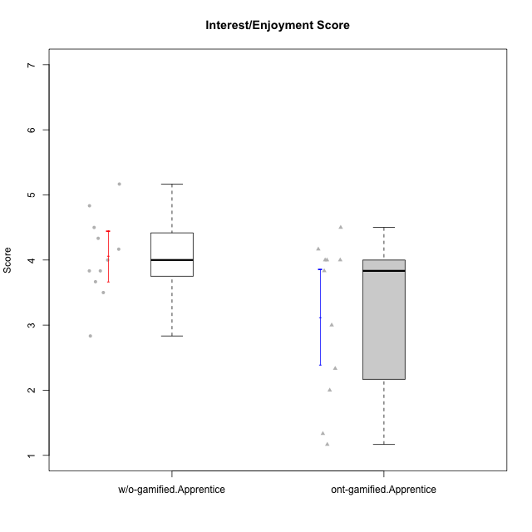

Student's t-Test data
UserID | Type | CLGroup | CLRole | PlayerRole | NroUSP | Item09IE | Item21IE | Item08IE | Item11IE | Item24IE | Item12IE | Item05PC | Item18PC | Item20PC | Item13PC | Item03PC | Item06PT | Item02PT | Item04PT | Item19EI | Item01EI | Item22EI | Item20A | Item25A | Item18A | Item07A | Item04A | Item01S | Item02S | Item09R | Item06R | Item12R | Interest/Enjoyment | Perceived Choice | Pressure/Tension | Effort/Importance | Attention | Relevance | Satisfaction | Intrinsic Motivation | Level of Motivation
10170 | w/o-gamified | Grupo11 | Apprentice |  | 10260351 | 4 | 4 | 6 | 4 | 4 | 3 | 2 | 1 | 3 | 2 | 3 | 1 | 1 | 1 | 3 | 3 | 5 | 6 | 5 | 6 | 5 | 4 | 4 | 4 | 2 | 1 | 6 | 4.1666666667 | 5.8 | 1 | 5 | 5.2 | 6.3333333333 | 4 | 5.2941176471 | 5.3
10183 | w/o-gamified | Grupo3 | Apprentice |  | 10352030 | 3 | 3 | 3 | 3 | 2 | 3 | 4 | 3 | 5 | 2 | 4 | 5 | 4 | 4 | 3 | 4 | 4 | 2 | 2 | 2 | 2 | 3 | 2 | 2 | 5 | 2 | 3 | 2.8333333333 | 4.4 | 4.3333333333 | 4.3333333333 | 2.2 | 4 | 2 | 3.7058823529 | 2.7
10184 | w/o-gamified | Grupo10 | Apprentice |  | 10276675 | 4 | 3 | 4 | 4 | 4 | 4 | 5 | 4 | 4 | 3 | 4 | 4 | 4 | 3 | 4 | 4 | 4 | 4 | 4 | 4 | 2 | 4 | 6 | 4 | 4 | 4 | 4 | 3.8333333333 | 4 | 3.6666666667 | 4 | 3.6 | 4 | 5 | 4 | 4
10185 | w/o-gamified | Grupo9 | Apprentice |  | 10276960 | 4 | 3 | 6 | 5 | 6 | 5 | 6 | 6 | 3 | 5 | 3 | 5 | 4 | 4 | 3 | 4 | 5 | 3 | 5 | 3 | 4 | 2 | 4 | 5 | 5 | 3 | 3 | 4.8333333333 | 3.4 | 4.3333333333 | 4.6666666667 | 3.4 | 3.6666666667 | 4.5 | 4.1764705882 | 3.7
10186 | ont-gamified | Slayers | Apprentice | Social Achiever | 10310551 | 4 | 3 | 6 | 6 | 3 | 1 | 4 | 4 | 1 | 4 | 4 | 4 | 5 | 4 | 1 | 1 | 7 | 4 | 1 | 4 | 1 | 4 | 7 | 7 | 3 | 1 | 6 | 3.8333333333 | 4.6 | 4.3333333333 | 7 | 2.8 | 6 | 7 | 4.5882352941 | 4.6
10189 | ont-gamified | Vikings | Apprentice | Social Achiever | 9363926 | 2 | 2 | 4 | 1 | 2 | 1 | 5 | 4 | 4 | 5 | 5 | 2 | 1 | 1 | 3 | 1 | 6 | 1 | 1 | 2 | 1 | 2 | 3 | 2 | 6 | 1 | 4 | 2 | 3.4 | 1.3333333333 | 6 | 1.4 | 4.3333333333 | 2.5 | 3.9411764706 | 2.5
10192 | ont-gamified | Attractive Devils | Apprentice | Social Achiever | 10276682 | 4 | 5 | 4 | 6 | 1 | 4 | 2 | 4 | 4 | 3 | 3 | 4 | 4 | 4 | 5 | 1 | 5 | 4 | 4 | 4 | 7 | 5 | 7 | 6 | 1 | 2 | 5 | 4 | 4.8 | 4 | 5 | 4.8 | 6 | 6.5 | 4.4117647059 | 5.5
10193 | ont-gamified | Vandals | Apprentice | Yee Achiever | 10276762 | 2 | 1 | 1 | 1 | 2 | 1 | 1 | 1 | 1 | 1 | 1 | 2 | 1 | 1 | 2 | 1 | 2 | 2 | 1 | 2 | 1 | 1 | 1 | 2 | 1 | 4 | 1 | 1.3333333333 | 7 | 1.3333333333 | 5 | 1.4 | 4 | 1.5 | 4.5882352941 | 2.2
10197 | w/o-gamified | Grupo8 | Apprentice |  | 10276661 | 3 | 2 | 5 | 5 | 2 | 4 | 3 | 2 | 4 | 4 | 2 | 5 | 3 | 3 | 3 | 3 | 4 | 4 | 4 | 7 | 5 | 4 | 4 | 4 | 5 | 4 | 4 | 3.5 | 5 | 3.6666666667 | 4.6666666667 | 4.8 | 3.6666666667 | 4 | 4.2941176471 | 4.3
10198 | ont-gamified | Attractive Devils | Apprentice | Social Achiever | 10310888 | 6 | 3 | 4 | 4 | 2 | 5 | 4 | 6 | 6 | 5 | 1 | 4 | 4 | 4 | 3 | 2 | 6 | 6 | 5 | 5 | 7 | 7 | 7 | 7 | 2 | 1 | 5 | 4 | 3.6 | 4 | 5.6666666667 | 6 | 6 | 7 | 4.1764705882 | 6.2
10200 | ont-gamified | Warriors | Apprentice | Social Achiever | 9795272 | 4 | 5 | 5 | 5 | 5 | 3 | 4 | 2 | 2 | 5 | 3 | 4 | 5 | 5 | 1 | 1 | 6 | 4 | 5 | 4 | 6 | 5 | 5 | 6 | 3 | 1 | 6 | 4.5 | 4.8 | 4.6666666667 | 6.6666666667 | 4.8 | 6 | 5.5 | 4.7647058824 | 5.3
10201 | w/o-gamified | Grupo11 | Apprentice |  | 10276928 | 5 | 6 | 6 | 5 | 3 | 6 | 3 | 4 | 4 | 3 | 5 | 4 | 3 | 2 | 3 | 3 | 5 | 6 | 5 | 6 | 6 | 4 | 6 | 5 | 4 | 2 | 6 | 5.1666666667 | 4.2 | 3 | 5 | 5.4 | 5.3333333333 | 5.5 | 4.8235294118 | 5.4
10202 | ont-gamified | Silly Knights | Apprentice | Social Achiever | 10277036 | 3 | 3 | 3 | 3 | 3 | 3 | 2 | 5 | 2 | 2 | 3 | 3 | 3 | 3 | 2 | 2 | 5 | 2 | 3 | 2 | 2 | 4 | 5 | 5 | 3 | 2 | 5 | 3 | 5.2 | 3 | 5.6666666667 | 2.6 | 5.3333333333 | 5 | 4.4705882353 | 3.9
10203 | ont-gamified | Mercenaries | Apprentice | Social Achiever | 9921470 | 5 | 4 | 3 | 4 | 4 | 5 | 1 | 1 | 1 | 1 | 4 | 1 | 2 | 5 | 1 | 1 | 6 | 7 | 5 | 4 | 6 | 4 | 5 | 7 | 4 | 6 | 4 | 4.1666666667 | 6.4 | 2.6666666667 | 6.6666666667 | 5.2 | 3.3333333333 | 6 | 5.4705882353 | 4.8
10206 | w/o-gamified | Grupo8 | Apprentice |  | 10310721 | 4 | 5 | 4 | 2 | 4 | 3 | 2 | 2 | 2 | 3 | 3 | 3 | 3 | 2 | 2 | 2 | 5 | 4 | 6 | 4 | 4 | 5 | 5 | 5 | 3 | 2 | 6 | 3.6666666667 | 5.6 | 2.6666666667 | 5.6666666667 | 4.6 | 5.6666666667 | 5 | 4.8823529412 | 5
10209 | ont-gamified | Mafia | Apprentice | Social Achiever | 10262669 | 2 | 2 | 2 | 4 | 2 | 2 | 7 | 7 | 7 | 7 | 7 | 1 | 2 | 1 | 3 | 2 | 2 | 1 | 2 | 2 | 2 | 3 | 2 | 2 | 4 | 3 | 4 | 2.3333333333 | 1 | 1.3333333333 | 4.3333333333 | 2 | 4.3333333333 | 2 | 3.0588235294 | 2.7
10213 | w/o-gamified | Grupo7 | Apprentice |  | 10277040 | 3 | 4 | 4 | 7 | 4 | 1 | 7 | 7 | 7 | 7 | 7 | 7 | 1 | 7 | 1 | 1 | 7 | 7 | 7 | 5 | 7 | 7 | 7 | 4 | 2 | 1 | 4 | 3.8333333333 | 1 | 5 | 7 | 6.6 | 5.6666666667 | 5.5 | 3.4117647059 | 6.1
10214 | ont-gamified | Vikings | Apprentice | Social Achiever | 10277022 | 1 | 1 | 2 | 1 | 1 | 1 | 2 | 7 | 6 | 6 | 6 | 4 | 5 | 1 | 1 | 1 | 7 | 1 | 2 | 1 | 1 | 4 | 3 | 4 | 5 | 2 | 2 | 1.1666666667 | 2.6 | 3.3333333333 | 7 | 1.8 | 3.6666666667 | 3.5 | 3.2352941176 | 2.7
10217 | w/o-gamified | Grupo9 | Apprentice |  | 9805341 | 5 | 5 | 5 | 3 | 4 | 4 | 5 | 4 | 2 | 4 | 4 | 1 | 1 | 1 | 4 | 3 | 2 | 4 | 4 | 3 | 4 | 5 | 4 | 4 | 3 | 3 | 6 | 4.3333333333 | 4.2 | 1 | 3.6666666667 | 4 | 5.3333333333 | 4 | 4.6470588235 | 4.4
10218 | w/o-gamified | Grupo10 | Apprentice |  | 9842913 | 4 | 4 | 4 | 4 | 4 | 4 | 5 | 5 | 4 | 4 | 4 | 4 | 4 | 5 | 4 | 4 | 5 | 4 | 4 | 3 | 5 | 3 | 4 | 3 | 3 | 4 | 4 | 4 | 3.6 | 4.3333333333 | 4.3333333333 | 3.8 | 4.3333333333 | 3.5 | 3.8823529412 | 3.9
10232 | w/o-gamified | Grupo7 | Apprentice |  | 10276974 | 4 | 4 | 5 | 5 | 5 | 4 | 3 | 4 | 4 | 3 | 3 | 2 | 2 | 2 | 1 | 1 | 6 | 4 | 6 | 4 | 5 | 6 | 6 | 5 | 2 | 1 | 7 | 4.5 | 4.6 | 2 | 6.6666666667 | 5 | 6.6666666667 | 5.5 | 5.1764705882 | 5.6
10237 | ont-gamified | Outlaws | Apprentice | Social Achiever | 10377688 | 3 | 5 | 3 | 3 | 6 | 4 | 3 | 3 | 4 | 3 | 6 | 4 | 6 | 5 | 4 | 2 | 5 | 3 | 3 | 4 | 5 | 3 | 3 | 4 | 4 | 3 | 5 | 4 | 4.2 | 5 | 5 | 3.6 | 4.6666666667 | 3.5 | 4.0588235294 | 3.9

Type_CLRole_3
Student's t-Test for Interest/Enjoyment Score in Type:CLRole between ont-gamified.Apprentice:w/o-gamified.Master

Student's t-Test results
Alternative hypothesis: less
Group | N | Mean | Mean.Difference | Std.deviation | Std.error | CI.lower | CI.upper | df | t.value | p.value | g | magnitude
ont-gamified.Apprentice | 11 | 3.1212121212 | -1.101010101 | 1.2135597524 | 0.36590203268 | 2.3894080558 | 3.8530161866 | 9.3387367159 | -2.3966465166 | 0.019587414447 | -0.91612448112 | large
w/o-gamified.Master | 3 | 4.2222222222 | 1.101010101 | 0.48112522432 | 0.27777777778 | 3.6666666667 | 4.7777777778 | 9.3387367159 | -2.3966465166 | 0.019587414447 | -0.91612448112 | large
Alternative hypothesis: greater
Group | N | Mean | Mean.Difference | Std.deviation | Std.error | CI.lower | CI.upper | df | t.value | p.value | g | magnitude
ont-gamified.Apprentice | 11 | 3.1212121212 | -1.101010101 | 1.2135597524 | 0.36590203268 | 2.3894080558 | 3.8530161866 | 9.3387367159 | -2.3966465166 | 0.98041258555 | -0.91612448112 | large
w/o-gamified.Master | 3 | 4.2222222222 | 1.101010101 | 0.48112522432 | 0.27777777778 | 3.6666666667 | 4.7777777778 | 9.3387367159 | -2.3966465166 | 0.98041258555 | -0.91612448112 | large
Alternative hypothesis: two.sided
Group | N | Mean | Mean.Difference | Std.deviation | Std.error | CI.lower | CI.upper | df | t.value | p.value | g | magnitude
ont-gamified.Apprentice | 11 | 3.1212121212 | -1.101010101 | 1.2135597524 | 0.36590203268 | 2.3894080558 | 3.8530161866 | 9.3387367159 | -2.3966465166 | 0.039174828895 | -0.91612448112 | large
w/o-gamified.Master | 3 | 4.2222222222 | 1.101010101 | 0.48112522432 | 0.27777777778 | 3.6666666667 | 4.7777777778 | 9.3387367159 | -2.3966465166 | 0.039174828895 | -0.91612448112 | large

Box plots for Student's t-Test
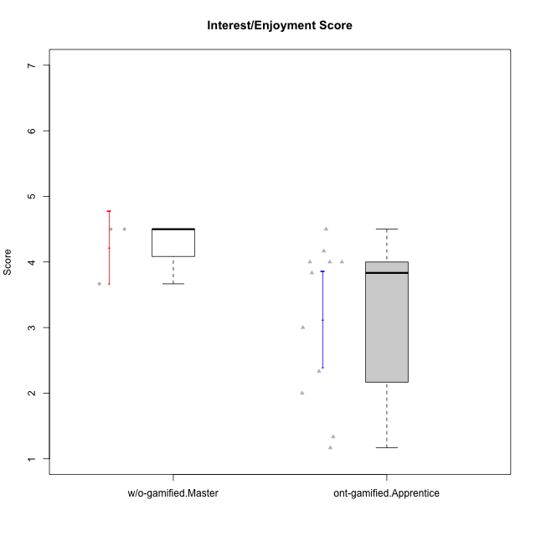

Student's t-Test data
UserID | Type | CLGroup | CLRole | PlayerRole | NroUSP | Item09IE | Item21IE | Item08IE | Item11IE | Item24IE | Item12IE | Item05PC | Item18PC | Item20PC | Item13PC | Item03PC | Item06PT | Item02PT | Item04PT | Item19EI | Item01EI | Item22EI | Item20A | Item25A | Item18A | Item07A | Item04A | Item01S | Item02S | Item09R | Item06R | Item12R | Interest/Enjoyment | Perceived Choice | Pressure/Tension | Effort/Importance | Attention | Relevance | Satisfaction | Intrinsic Motivation | Level of Motivation
10174 | w/o-gamified | Grupo7 | Master |  | 10276852 | 4 | 4 | 6 | 4 | 6 | 3 | 4 | 3 | 4 | 4 | 4 | 6 | 4 | 5 | 2 | 5 | 4 | 4 | 4 | 5 | 6 | 5 | 6 | 5 | 6 | 5 | 4 | 4.5 | 4.2 | 5 | 4.3333333333 | 4.8 | 3 | 5.5 | 4.1176470588 | 4.4
10179 | w/o-gamified | Grupo10 | Master |  | 10310759 | 3 | 4 | 3 | 2 | 4 | 6 | 6 | 5 | 4 | 5 | 7 | 2 | 1 | 1 | 1 | 2 | 5 | 4 | 4 | 4 | 2 | 5 | 3 | 4 | 4 | 2 | 4 | 3.6666666667 | 2.6 | 1.3333333333 | 6 | 3.8 | 4.6666666667 | 3.5 | 4.2941176471 | 4
10186 | ont-gamified | Slayers | Apprentice | Social Achiever | 10310551 | 4 | 3 | 6 | 6 | 3 | 1 | 4 | 4 | 1 | 4 | 4 | 4 | 5 | 4 | 1 | 1 | 7 | 4 | 1 | 4 | 1 | 4 | 7 | 7 | 3 | 1 | 6 | 3.8333333333 | 4.6 | 4.3333333333 | 7 | 2.8 | 6 | 7 | 4.5882352941 | 4.6
10189 | ont-gamified | Vikings | Apprentice | Social Achiever | 9363926 | 2 | 2 | 4 | 1 | 2 | 1 | 5 | 4 | 4 | 5 | 5 | 2 | 1 | 1 | 3 | 1 | 6 | 1 | 1 | 2 | 1 | 2 | 3 | 2 | 6 | 1 | 4 | 2 | 3.4 | 1.3333333333 | 6 | 1.4 | 4.3333333333 | 2.5 | 3.9411764706 | 2.5
10192 | ont-gamified | Attractive Devils | Apprentice | Social Achiever | 10276682 | 4 | 5 | 4 | 6 | 1 | 4 | 2 | 4 | 4 | 3 | 3 | 4 | 4 | 4 | 5 | 1 | 5 | 4 | 4 | 4 | 7 | 5 | 7 | 6 | 1 | 2 | 5 | 4 | 4.8 | 4 | 5 | 4.8 | 6 | 6.5 | 4.4117647059 | 5.5
10193 | ont-gamified | Vandals | Apprentice | Yee Achiever | 10276762 | 2 | 1 | 1 | 1 | 2 | 1 | 1 | 1 | 1 | 1 | 1 | 2 | 1 | 1 | 2 | 1 | 2 | 2 | 1 | 2 | 1 | 1 | 1 | 2 | 1 | 4 | 1 | 1.3333333333 | 7 | 1.3333333333 | 5 | 1.4 | 4 | 1.5 | 4.5882352941 | 2.2
10198 | ont-gamified | Attractive Devils | Apprentice | Social Achiever | 10310888 | 6 | 3 | 4 | 4 | 2 | 5 | 4 | 6 | 6 | 5 | 1 | 4 | 4 | 4 | 3 | 2 | 6 | 6 | 5 | 5 | 7 | 7 | 7 | 7 | 2 | 1 | 5 | 4 | 3.6 | 4 | 5.6666666667 | 6 | 6 | 7 | 4.1764705882 | 6.2
10200 | ont-gamified | Warriors | Apprentice | Social Achiever | 9795272 | 4 | 5 | 5 | 5 | 5 | 3 | 4 | 2 | 2 | 5 | 3 | 4 | 5 | 5 | 1 | 1 | 6 | 4 | 5 | 4 | 6 | 5 | 5 | 6 | 3 | 1 | 6 | 4.5 | 4.8 | 4.6666666667 | 6.6666666667 | 4.8 | 6 | 5.5 | 4.7647058824 | 5.3
10202 | ont-gamified | Silly Knights | Apprentice | Social Achiever | 10277036 | 3 | 3 | 3 | 3 | 3 | 3 | 2 | 5 | 2 | 2 | 3 | 3 | 3 | 3 | 2 | 2 | 5 | 2 | 3 | 2 | 2 | 4 | 5 | 5 | 3 | 2 | 5 | 3 | 5.2 | 3 | 5.6666666667 | 2.6 | 5.3333333333 | 5 | 4.4705882353 | 3.9
10203 | ont-gamified | Mercenaries | Apprentice | Social Achiever | 9921470 | 5 | 4 | 3 | 4 | 4 | 5 | 1 | 1 | 1 | 1 | 4 | 1 | 2 | 5 | 1 | 1 | 6 | 7 | 5 | 4 | 6 | 4 | 5 | 7 | 4 | 6 | 4 | 4.1666666667 | 6.4 | 2.6666666667 | 6.6666666667 | 5.2 | 3.3333333333 | 6 | 5.4705882353 | 4.8
10209 | ont-gamified | Mafia | Apprentice | Social Achiever | 10262669 | 2 | 2 | 2 | 4 | 2 | 2 | 7 | 7 | 7 | 7 | 7 | 1 | 2 | 1 | 3 | 2 | 2 | 1 | 2 | 2 | 2 | 3 | 2 | 2 | 4 | 3 | 4 | 2.3333333333 | 1 | 1.3333333333 | 4.3333333333 | 2 | 4.3333333333 | 2 | 3.0588235294 | 2.7
10214 | ont-gamified | Vikings | Apprentice | Social Achiever | 10277022 | 1 | 1 | 2 | 1 | 1 | 1 | 2 | 7 | 6 | 6 | 6 | 4 | 5 | 1 | 1 | 1 | 7 | 1 | 2 | 1 | 1 | 4 | 3 | 4 | 5 | 2 | 2 | 1.1666666667 | 2.6 | 3.3333333333 | 7 | 1.8 | 3.6666666667 | 3.5 | 3.2352941176 | 2.7
10231 | w/o-gamified | Grupo9 | Master |  | 10276911 | 4 | 4 | 4 | 4 | 5 | 6 | 1 | 2 | 2 | 2 | 1 | 1 | 1 | 1 | 4 | 3 | 1 | 4 | 4 | 4 | 4 | 4 | 7 | 5 | 4 | 4 | 5 | 4.5 | 6.4 | 1 | 3.3333333333 | 4 | 4.3333333333 | 6 | 5.2941176471 | 4.5
10237 | ont-gamified | Outlaws | Apprentice | Social Achiever | 10377688 | 3 | 5 | 3 | 3 | 6 | 4 | 3 | 3 | 4 | 3 | 6 | 4 | 6 | 5 | 4 | 2 | 5 | 3 | 3 | 4 | 5 | 3 | 3 | 4 | 4 | 3 | 5 | 4 | 4.2 | 5 | 5 | 3.6 | 4.6666666667 | 3.5 | 4.0588235294 | 3.9

Type_CLRole_4
Student's t-Test for Interest/Enjoyment Score in Type:CLRole between ont-gamified.Master:w/o-gamified.Apprentice

Student's t-Test results
Alternative hypothesis: less
Group | N | Mean | Mean.Difference | Std.deviation | Std.error | CI.lower | CI.upper | df | t.value | p.value | g | magnitude
ont-gamified.Master | 8 | 4.3333333333 | 0.27272727273 | 0.86373129272 | 0.3053751271 | 3.7225830791 | 4.9440835875 | 12.425198404 | 0.75274001698 | 0.76718542681 | 0.35026839984 | small
w/o-gamified.Apprentice | 11 | 4.0606060606 | -0.27272727273 | 0.64666979068 | 0.19497827809 | 3.6706495044 | 4.4505626168 | 12.425198404 | 0.75274001698 | 0.76718542681 | 0.35026839984 | small
Alternative hypothesis: greater
Group | N | Mean | Mean.Difference | Std.deviation | Std.error | CI.lower | CI.upper | df | t.value | p.value | g | magnitude
ont-gamified.Master | 8 | 4.3333333333 | 0.27272727273 | 0.86373129272 | 0.3053751271 | 3.7225830791 | 4.9440835875 | 12.425198404 | 0.75274001698 | 0.23281457319 | 0.35026839984 | small
w/o-gamified.Apprentice | 11 | 4.0606060606 | -0.27272727273 | 0.64666979068 | 0.19497827809 | 3.6706495044 | 4.4505626168 | 12.425198404 | 0.75274001698 | 0.23281457319 | 0.35026839984 | small
Alternative hypothesis: two.sided
Group | N | Mean | Mean.Difference | Std.deviation | Std.error | CI.lower | CI.upper | df | t.value | p.value | g | magnitude
ont-gamified.Master | 8 | 4.3333333333 | 0.27272727273 | 0.86373129272 | 0.3053751271 | 3.7225830791 | 4.9440835875 | 12.425198404 | 0.75274001698 | 0.46562914639 | 0.35026839984 | small
w/o-gamified.Apprentice | 11 | 4.0606060606 | -0.27272727273 | 0.64666979068 | 0.19497827809 | 3.6706495044 | 4.4505626168 | 12.425198404 | 0.75274001698 | 0.46562914639 | 0.35026839984 | small

Box plots for Student's t-Test
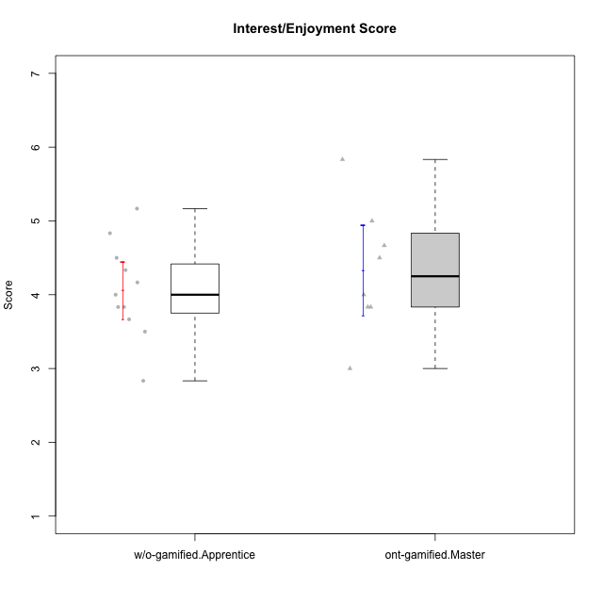

Student's t-Test data
UserID | Type | CLGroup | CLRole | PlayerRole | NroUSP | Item09IE | Item21IE | Item08IE | Item11IE | Item24IE | Item12IE | Item05PC | Item18PC | Item20PC | Item13PC | Item03PC | Item06PT | Item02PT | Item04PT | Item19EI | Item01EI | Item22EI | Item20A | Item25A | Item18A | Item07A | Item04A | Item01S | Item02S | Item09R | Item06R | Item12R | Interest/Enjoyment | Perceived Choice | Pressure/Tension | Effort/Importance | Attention | Relevance | Satisfaction | Intrinsic Motivation | Level of Motivation
10170 | w/o-gamified | Grupo11 | Apprentice |  | 10260351 | 4 | 4 | 6 | 4 | 4 | 3 | 2 | 1 | 3 | 2 | 3 | 1 | 1 | 1 | 3 | 3 | 5 | 6 | 5 | 6 | 5 | 4 | 4 | 4 | 2 | 1 | 6 | 4.1666666667 | 5.8 | 1 | 5 | 5.2 | 6.3333333333 | 4 | 5.2941176471 | 5.3
10171 | ont-gamified | Mafia | Master | Social Achiever | 698531 | 6 | 7 | 6 | 6 | 5 | 5 | 2 | 2 | 1 | 2 | 2 | 1 | 2 | 2 | 1 | 1 | 6 | 6 | 5 | 6 | 5 | 5 | 6 | 6 | 2 | 2 | 7 | 5.8333333333 | 6.2 | 1.6666666667 | 6.6666666667 | 5.4 | 6.3333333333 | 6 | 6.1764705882 | 5.8
10175 | ont-gamified | Warriors | Master | Social Achiever | 10310700 | 4 | 4 | 4 | 4 | 4 | 4 | 1 | 1 | 1 | 1 | 3 | 1 | 1 | 1 | 1 | 1 | 4 | 5 | 5 | 5 | 6 | 6 | 6 | 6 | 2 | 1 | 7 | 4 | 6.6 | 1 | 6 | 5.4 | 6.6666666667 | 6 | 5.6470588235 | 5.9
10176 | ont-gamified | Outlaws | Master | Social Achiever | 10276949 | 4 | 4 | 4 | 4 | 4 | 3 | 4 | 5 | 4 | 6 | 4 | 6 | 4 | 6 | 5 | 4 | 4 | 5 | 5 | 5 | 4 | 4 | 4 | 4 | 4 | 4 | 4 | 3.8333333333 | 3.4 | 5.3333333333 | 3.6666666667 | 4.6 | 4 | 4 | 3.4705882353 | 4.3
10183 | w/o-gamified | Grupo3 | Apprentice |  | 10352030 | 3 | 3 | 3 | 3 | 2 | 3 | 4 | 3 | 5 | 2 | 4 | 5 | 4 | 4 | 3 | 4 | 4 | 2 | 2 | 2 | 2 | 3 | 2 | 2 | 5 | 2 | 3 | 2.8333333333 | 4.4 | 4.3333333333 | 4.3333333333 | 2.2 | 4 | 2 | 3.7058823529 | 2.7
10184 | w/o-gamified | Grupo10 | Apprentice |  | 10276675 | 4 | 3 | 4 | 4 | 4 | 4 | 5 | 4 | 4 | 3 | 4 | 4 | 4 | 3 | 4 | 4 | 4 | 4 | 4 | 4 | 2 | 4 | 6 | 4 | 4 | 4 | 4 | 3.8333333333 | 4 | 3.6666666667 | 4 | 3.6 | 4 | 5 | 4 | 4
10185 | w/o-gamified | Grupo9 | Apprentice |  | 10276960 | 4 | 3 | 6 | 5 | 6 | 5 | 6 | 6 | 3 | 5 | 3 | 5 | 4 | 4 | 3 | 4 | 5 | 3 | 5 | 3 | 4 | 2 | 4 | 5 | 5 | 3 | 3 | 4.8333333333 | 3.4 | 4.3333333333 | 4.6666666667 | 3.4 | 3.6666666667 | 4.5 | 4.1764705882 | 3.7
10188 | ont-gamified | Vandals | Master | Yee Achiever | 10276995 | 3 | 3 | 4 | 1 | 3 | 4 | 1 | 1 | 1 | 3 | 3 | 1 | 1 | 1 | 3 | 2 | 1 | 3 | 4 | 4 | 2 | 4 | 3 | 3 | 2 | 2 | 4 | 3 | 6.2 | 1 | 4 | 3.4 | 5.3333333333 | 3 | 4.8235294118 | 3.9
10197 | w/o-gamified | Grupo8 | Apprentice |  | 10276661 | 3 | 2 | 5 | 5 | 2 | 4 | 3 | 2 | 4 | 4 | 2 | 5 | 3 | 3 | 3 | 3 | 4 | 4 | 4 | 7 | 5 | 4 | 4 | 4 | 5 | 4 | 4 | 3.5 | 5 | 3.6666666667 | 4.6666666667 | 4.8 | 3.6666666667 | 4 | 4.2941176471 | 4.3
10201 | w/o-gamified | Grupo11 | Apprentice |  | 10276928 | 5 | 6 | 6 | 5 | 3 | 6 | 3 | 4 | 4 | 3 | 5 | 4 | 3 | 2 | 3 | 3 | 5 | 6 | 5 | 6 | 6 | 4 | 6 | 5 | 4 | 2 | 6 | 5.1666666667 | 4.2 | 3 | 5 | 5.4 | 5.3333333333 | 5.5 | 4.8235294118 | 5.4
10206 | w/o-gamified | Grupo8 | Apprentice |  | 10310721 | 4 | 5 | 4 | 2 | 4 | 3 | 2 | 2 | 2 | 3 | 3 | 3 | 3 | 2 | 2 | 2 | 5 | 4 | 6 | 4 | 4 | 5 | 5 | 5 | 3 | 2 | 6 | 3.6666666667 | 5.6 | 2.6666666667 | 5.6666666667 | 4.6 | 5.6666666667 | 5 | 4.8823529412 | 5
10208 | ont-gamified | Mercenaries | Master | Social Achiever | 10276932 | 4 | 4 | 4 | 4 | 4 | 3 | 2 | 4 | 2 | 4 | 4 | 2 | 2 | 2 | 2 | 2 | 4 | 2 | 2 | 2 | 3 | 3 | 5 | 5 | 5 | 3 | 3 | 3.8333333333 | 4.8 | 2 | 5.3333333333 | 2.4 | 3.6666666667 | 5 | 4.7647058824 | 3.3
10213 | w/o-gamified | Grupo7 | Apprentice |  | 10277040 | 3 | 4 | 4 | 7 | 4 | 1 | 7 | 7 | 7 | 7 | 7 | 7 | 1 | 7 | 1 | 1 | 7 | 7 | 7 | 5 | 7 | 7 | 7 | 4 | 2 | 1 | 4 | 3.8333333333 | 1 | 5 | 7 | 6.6 | 5.6666666667 | 5.5 | 3.4117647059 | 6.1
10216 | ont-gamified | Silly Knights | Master | Social Achiever | 10276720 | 5 | 4 | 4 | 3 | 5 | 7 | 2 | 1 | 3 | 2 | 3 | 1 | 1 | 1 | 2 | 1 | 4 | 5 | 6 | 4 | 2 | 4 | 5 | 5 | 2 | 1 | 7 | 4.6666666667 | 5.8 | 1 | 5.6666666667 | 4.2 | 6.6666666667 | 5 | 5.5882352941 | 5.1
10217 | w/o-gamified | Grupo9 | Apprentice |  | 9805341 | 5 | 5 | 5 | 3 | 4 | 4 | 5 | 4 | 2 | 4 | 4 | 1 | 1 | 1 | 4 | 3 | 2 | 4 | 4 | 3 | 4 | 5 | 4 | 4 | 3 | 3 | 6 | 4.3333333333 | 4.2 | 1 | 3.6666666667 | 4 | 5.3333333333 | 4 | 4.6470588235 | 4.4
10218 | w/o-gamified | Grupo10 | Apprentice |  | 9842913 | 4 | 4 | 4 | 4 | 4 | 4 | 5 | 5 | 4 | 4 | 4 | 4 | 4 | 5 | 4 | 4 | 5 | 4 | 4 | 3 | 5 | 3 | 4 | 3 | 3 | 4 | 4 | 4 | 3.6 | 4.3333333333 | 4.3333333333 | 3.8 | 4.3333333333 | 3.5 | 3.8823529412 | 3.9
10223 | ont-gamified | Slayers | Master | Social Achiever | 9795185 | 5 | 5 | 6 | 4 | 5 | 5 | 4 | 3 | 4 | 4 | 4 | 2 | 4 | 4 | 4 | 4 | 4 | 4 | 4 | 3 | 4 | 4 | 4 | 5 | 2 | 3 | 7 | 5 | 4.2 | 3.3333333333 | 4 | 3.8 | 6 | 4.5 | 4.5294117647 | 4.6
10230 | ont-gamified | Resistance | Master | Social Achiever | 10351992 | 4 | 5 | 5 | 4 | 5 | 4 | 4 | 3 | 5 | 3 | 5 | 6 | 5 | 4 | 2 | 3 | 5 | 2 | 4 | 3 | 6 | 6 | 4 | 6 | 3 | 4 | 4 | 4.5 | 4 | 5 | 5.3333333333 | 4.2 | 4.3333333333 | 5 | 4.2352941176 | 4.4
10232 | w/o-gamified | Grupo7 | Apprentice |  | 10276974 | 4 | 4 | 5 | 5 | 5 | 4 | 3 | 4 | 4 | 3 | 3 | 2 | 2 | 2 | 1 | 1 | 6 | 4 | 6 | 4 | 5 | 6 | 6 | 5 | 2 | 1 | 7 | 4.5 | 4.6 | 2 | 6.6666666667 | 5 | 6.6666666667 | 5.5 | 5.1764705882 | 5.6

Type_CLRole_5
Student's t-Test for Interest/Enjoyment Score in Type:CLRole between ont-gamified.Master:w/o-gamified.Master

Student's t-Test results
Alternative hypothesis: less
Group | N | Mean | Mean.Difference | Std.deviation | Std.error | CI.lower | CI.upper | df | t.value | p.value | g | magnitude
ont-gamified.Master | 8 | 4.3333333333 | 0.11111111111 | 0.86373129272 | 0.3053751271 | 3.7225830791 | 4.9440835875 | 6.8830797181 | 0.26915612459 | 0.60215053314 | 0.12781692685 | negligible
w/o-gamified.Master | 3 | 4.2222222222 | -0.11111111111 | 0.48112522432 | 0.27777777778 | 3.6666666667 | 4.7777777778 | 6.8830797181 | 0.26915612459 | 0.60215053314 | 0.12781692685 | negligible
Alternative hypothesis: greater
Group | N | Mean | Mean.Difference | Std.deviation | Std.error | CI.lower | CI.upper | df | t.value | p.value | g | magnitude
ont-gamified.Master | 8 | 4.3333333333 | 0.11111111111 | 0.86373129272 | 0.3053751271 | 3.7225830791 | 4.9440835875 | 6.8830797181 | 0.26915612459 | 0.39784946686 | 0.12781692685 | negligible
w/o-gamified.Master | 3 | 4.2222222222 | -0.11111111111 | 0.48112522432 | 0.27777777778 | 3.6666666667 | 4.7777777778 | 6.8830797181 | 0.26915612459 | 0.39784946686 | 0.12781692685 | negligible
Alternative hypothesis: two.sided
Group | N | Mean | Mean.Difference | Std.deviation | Std.error | CI.lower | CI.upper | df | t.value | p.value | g | magnitude
ont-gamified.Master | 8 | 4.3333333333 | 0.11111111111 | 0.86373129272 | 0.3053751271 | 3.7225830791 | 4.9440835875 | 6.8830797181 | 0.26915612459 | 0.79569893372 | 0.12781692685 | negligible
w/o-gamified.Master | 3 | 4.2222222222 | -0.11111111111 | 0.48112522432 | 0.27777777778 | 3.6666666667 | 4.7777777778 | 6.8830797181 | 0.26915612459 | 0.79569893372 | 0.12781692685 | negligible

Box plots for Student's t-Test
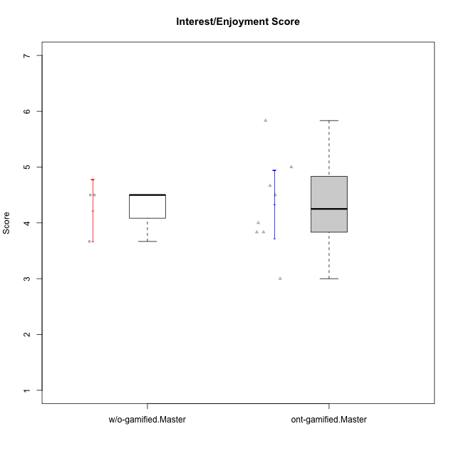

Student's t-Test data
UserID | Type | CLGroup | CLRole | PlayerRole | NroUSP | Item09IE | Item21IE | Item08IE | Item11IE | Item24IE | Item12IE | Item05PC | Item18PC | Item20PC | Item13PC | Item03PC | Item06PT | Item02PT | Item04PT | Item19EI | Item01EI | Item22EI | Item20A | Item25A | Item18A | Item07A | Item04A | Item01S | Item02S | Item09R | Item06R | Item12R | Interest/Enjoyment | Perceived Choice | Pressure/Tension | Effort/Importance | Attention | Relevance | Satisfaction | Intrinsic Motivation | Level of Motivation
10171 | ont-gamified | Mafia | Master | Social Achiever | 698531 | 6 | 7 | 6 | 6 | 5 | 5 | 2 | 2 | 1 | 2 | 2 | 1 | 2 | 2 | 1 | 1 | 6 | 6 | 5 | 6 | 5 | 5 | 6 | 6 | 2 | 2 | 7 | 5.8333333333 | 6.2 | 1.6666666667 | 6.6666666667 | 5.4 | 6.3333333333 | 6 | 6.1764705882 | 5.8
10174 | w/o-gamified | Grupo7 | Master |  | 10276852 | 4 | 4 | 6 | 4 | 6 | 3 | 4 | 3 | 4 | 4 | 4 | 6 | 4 | 5 | 2 | 5 | 4 | 4 | 4 | 5 | 6 | 5 | 6 | 5 | 6 | 5 | 4 | 4.5 | 4.2 | 5 | 4.3333333333 | 4.8 | 3 | 5.5 | 4.1176470588 | 4.4
10175 | ont-gamified | Warriors | Master | Social Achiever | 10310700 | 4 | 4 | 4 | 4 | 4 | 4 | 1 | 1 | 1 | 1 | 3 | 1 | 1 | 1 | 1 | 1 | 4 | 5 | 5 | 5 | 6 | 6 | 6 | 6 | 2 | 1 | 7 | 4 | 6.6 | 1 | 6 | 5.4 | 6.6666666667 | 6 | 5.6470588235 | 5.9
10176 | ont-gamified | Outlaws | Master | Social Achiever | 10276949 | 4 | 4 | 4 | 4 | 4 | 3 | 4 | 5 | 4 | 6 | 4 | 6 | 4 | 6 | 5 | 4 | 4 | 5 | 5 | 5 | 4 | 4 | 4 | 4 | 4 | 4 | 4 | 3.8333333333 | 3.4 | 5.3333333333 | 3.6666666667 | 4.6 | 4 | 4 | 3.4705882353 | 4.3
10179 | w/o-gamified | Grupo10 | Master |  | 10310759 | 3 | 4 | 3 | 2 | 4 | 6 | 6 | 5 | 4 | 5 | 7 | 2 | 1 | 1 | 1 | 2 | 5 | 4 | 4 | 4 | 2 | 5 | 3 | 4 | 4 | 2 | 4 | 3.6666666667 | 2.6 | 1.3333333333 | 6 | 3.8 | 4.6666666667 | 3.5 | 4.2941176471 | 4
10188 | ont-gamified | Vandals | Master | Yee Achiever | 10276995 | 3 | 3 | 4 | 1 | 3 | 4 | 1 | 1 | 1 | 3 | 3 | 1 | 1 | 1 | 3 | 2 | 1 | 3 | 4 | 4 | 2 | 4 | 3 | 3 | 2 | 2 | 4 | 3 | 6.2 | 1 | 4 | 3.4 | 5.3333333333 | 3 | 4.8235294118 | 3.9
10208 | ont-gamified | Mercenaries | Master | Social Achiever | 10276932 | 4 | 4 | 4 | 4 | 4 | 3 | 2 | 4 | 2 | 4 | 4 | 2 | 2 | 2 | 2 | 2 | 4 | 2 | 2 | 2 | 3 | 3 | 5 | 5 | 5 | 3 | 3 | 3.8333333333 | 4.8 | 2 | 5.3333333333 | 2.4 | 3.6666666667 | 5 | 4.7647058824 | 3.3
10216 | ont-gamified | Silly Knights | Master | Social Achiever | 10276720 | 5 | 4 | 4 | 3 | 5 | 7 | 2 | 1 | 3 | 2 | 3 | 1 | 1 | 1 | 2 | 1 | 4 | 5 | 6 | 4 | 2 | 4 | 5 | 5 | 2 | 1 | 7 | 4.6666666667 | 5.8 | 1 | 5.6666666667 | 4.2 | 6.6666666667 | 5 | 5.5882352941 | 5.1
10223 | ont-gamified | Slayers | Master | Social Achiever | 9795185 | 5 | 5 | 6 | 4 | 5 | 5 | 4 | 3 | 4 | 4 | 4 | 2 | 4 | 4 | 4 | 4 | 4 | 4 | 4 | 3 | 4 | 4 | 4 | 5 | 2 | 3 | 7 | 5 | 4.2 | 3.3333333333 | 4 | 3.8 | 6 | 4.5 | 4.5294117647 | 4.6
10230 | ont-gamified | Resistance | Master | Social Achiever | 10351992 | 4 | 5 | 5 | 4 | 5 | 4 | 4 | 3 | 5 | 3 | 5 | 6 | 5 | 4 | 2 | 3 | 5 | 2 | 4 | 3 | 6 | 6 | 4 | 6 | 3 | 4 | 4 | 4.5 | 4 | 5 | 5.3333333333 | 4.2 | 4.3333333333 | 5 | 4.2352941176 | 4.4
10231 | w/o-gamified | Grupo9 | Master |  | 10276911 | 4 | 4 | 4 | 4 | 5 | 6 | 1 | 2 | 2 | 2 | 1 | 1 | 1 | 1 | 4 | 3 | 1 | 4 | 4 | 4 | 4 | 4 | 7 | 5 | 4 | 4 | 5 | 4.5 | 6.4 | 1 | 3.3333333333 | 4 | 4.3333333333 | 6 | 5.2941176471 | 4.5

Type_CLRole_6
Student's t-Test for Interest/Enjoyment Score in Type:CLRole between w/o-gamified.Apprentice:w/o-gamified.Master

Student's t-Test results
Alternative hypothesis: less
Group | N | Mean | Mean.Difference | Std.deviation | Std.error | CI.lower | CI.upper | df | t.value | p.value | g | magnitude
w/o-gamified.Apprentice | 11 | 4.0606060606 | -0.16161616162 | 0.64666979068 | 0.19497827809 | 3.6706495044 | 4.4505626168 | 4.2499395234 | -0.47621367665 | 0.32868897306 | -0.24319105786 | small
w/o-gamified.Master | 3 | 4.2222222222 | 0.16161616162 | 0.48112522432 | 0.27777777778 | 3.6666666667 | 4.7777777778 | 4.2499395234 | -0.47621367665 | 0.32868897306 | -0.24319105786 | small
Alternative hypothesis: greater
Group | N | Mean | Mean.Difference | Std.deviation | Std.error | CI.lower | CI.upper | df | t.value | p.value | g | magnitude
w/o-gamified.Apprentice | 11 | 4.0606060606 | -0.16161616162 | 0.64666979068 | 0.19497827809 | 3.6706495044 | 4.4505626168 | 4.2499395234 | -0.47621367665 | 0.67131102694 | -0.24319105786 | small
w/o-gamified.Master | 3 | 4.2222222222 | 0.16161616162 | 0.48112522432 | 0.27777777778 | 3.6666666667 | 4.7777777778 | 4.2499395234 | -0.47621367665 | 0.67131102694 | -0.24319105786 | small
Alternative hypothesis: two.sided
Group | N | Mean | Mean.Difference | Std.deviation | Std.error | CI.lower | CI.upper | df | t.value | p.value | g | magnitude
w/o-gamified.Apprentice | 11 | 4.0606060606 | -0.16161616162 | 0.64666979068 | 0.19497827809 | 3.6706495044 | 4.4505626168 | 4.2499395234 | -0.47621367665 | 0.65737794613 | -0.24319105786 | small
w/o-gamified.Master | 3 | 4.2222222222 | 0.16161616162 | 0.48112522432 | 0.27777777778 | 3.6666666667 | 4.7777777778 | 4.2499395234 | -0.47621367665 | 0.65737794613 | -0.24319105786 | small

Box plots for Student's t-Test
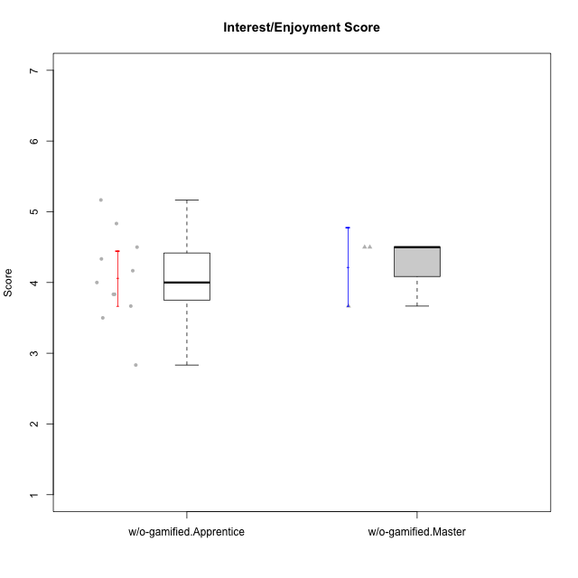

Student's t-Test data
UserID | Type | CLGroup | CLRole | PlayerRole | NroUSP | Item09IE | Item21IE | Item08IE | Item11IE | Item24IE | Item12IE | Item05PC | Item18PC | Item20PC | Item13PC | Item03PC | Item06PT | Item02PT | Item04PT | Item19EI | Item01EI | Item22EI | Item20A | Item25A | Item18A | Item07A | Item04A | Item01S | Item02S | Item09R | Item06R | Item12R | Interest/Enjoyment | Perceived Choice | Pressure/Tension | Effort/Importance | Attention | Relevance | Satisfaction | Intrinsic Motivation | Level of Motivation
10170 | w/o-gamified | Grupo11 | Apprentice |  | 10260351 | 4 | 4 | 6 | 4 | 4 | 3 | 2 | 1 | 3 | 2 | 3 | 1 | 1 | 1 | 3 | 3 | 5 | 6 | 5 | 6 | 5 | 4 | 4 | 4 | 2 | 1 | 6 | 4.1666666667 | 5.8 | 1 | 5 | 5.2 | 6.3333333333 | 4 | 5.2941176471 | 5.3
10174 | w/o-gamified | Grupo7 | Master |  | 10276852 | 4 | 4 | 6 | 4 | 6 | 3 | 4 | 3 | 4 | 4 | 4 | 6 | 4 | 5 | 2 | 5 | 4 | 4 | 4 | 5 | 6 | 5 | 6 | 5 | 6 | 5 | 4 | 4.5 | 4.2 | 5 | 4.3333333333 | 4.8 | 3 | 5.5 | 4.1176470588 | 4.4
10179 | w/o-gamified | Grupo10 | Master |  | 10310759 | 3 | 4 | 3 | 2 | 4 | 6 | 6 | 5 | 4 | 5 | 7 | 2 | 1 | 1 | 1 | 2 | 5 | 4 | 4 | 4 | 2 | 5 | 3 | 4 | 4 | 2 | 4 | 3.6666666667 | 2.6 | 1.3333333333 | 6 | 3.8 | 4.6666666667 | 3.5 | 4.2941176471 | 4
10183 | w/o-gamified | Grupo3 | Apprentice |  | 10352030 | 3 | 3 | 3 | 3 | 2 | 3 | 4 | 3 | 5 | 2 | 4 | 5 | 4 | 4 | 3 | 4 | 4 | 2 | 2 | 2 | 2 | 3 | 2 | 2 | 5 | 2 | 3 | 2.8333333333 | 4.4 | 4.3333333333 | 4.3333333333 | 2.2 | 4 | 2 | 3.7058823529 | 2.7
10184 | w/o-gamified | Grupo10 | Apprentice |  | 10276675 | 4 | 3 | 4 | 4 | 4 | 4 | 5 | 4 | 4 | 3 | 4 | 4 | 4 | 3 | 4 | 4 | 4 | 4 | 4 | 4 | 2 | 4 | 6 | 4 | 4 | 4 | 4 | 3.8333333333 | 4 | 3.6666666667 | 4 | 3.6 | 4 | 5 | 4 | 4
10185 | w/o-gamified | Grupo9 | Apprentice |  | 10276960 | 4 | 3 | 6 | 5 | 6 | 5 | 6 | 6 | 3 | 5 | 3 | 5 | 4 | 4 | 3 | 4 | 5 | 3 | 5 | 3 | 4 | 2 | 4 | 5 | 5 | 3 | 3 | 4.8333333333 | 3.4 | 4.3333333333 | 4.6666666667 | 3.4 | 3.6666666667 | 4.5 | 4.1764705882 | 3.7
10197 | w/o-gamified | Grupo8 | Apprentice |  | 10276661 | 3 | 2 | 5 | 5 | 2 | 4 | 3 | 2 | 4 | 4 | 2 | 5 | 3 | 3 | 3 | 3 | 4 | 4 | 4 | 7 | 5 | 4 | 4 | 4 | 5 | 4 | 4 | 3.5 | 5 | 3.6666666667 | 4.6666666667 | 4.8 | 3.6666666667 | 4 | 4.2941176471 | 4.3
10201 | w/o-gamified | Grupo11 | Apprentice |  | 10276928 | 5 | 6 | 6 | 5 | 3 | 6 | 3 | 4 | 4 | 3 | 5 | 4 | 3 | 2 | 3 | 3 | 5 | 6 | 5 | 6 | 6 | 4 | 6 | 5 | 4 | 2 | 6 | 5.1666666667 | 4.2 | 3 | 5 | 5.4 | 5.3333333333 | 5.5 | 4.8235294118 | 5.4
10206 | w/o-gamified | Grupo8 | Apprentice |  | 10310721 | 4 | 5 | 4 | 2 | 4 | 3 | 2 | 2 | 2 | 3 | 3 | 3 | 3 | 2 | 2 | 2 | 5 | 4 | 6 | 4 | 4 | 5 | 5 | 5 | 3 | 2 | 6 | 3.6666666667 | 5.6 | 2.6666666667 | 5.6666666667 | 4.6 | 5.6666666667 | 5 | 4.8823529412 | 5
10213 | w/o-gamified | Grupo7 | Apprentice |  | 10277040 | 3 | 4 | 4 | 7 | 4 | 1 | 7 | 7 | 7 | 7 | 7 | 7 | 1 | 7 | 1 | 1 | 7 | 7 | 7 | 5 | 7 | 7 | 7 | 4 | 2 | 1 | 4 | 3.8333333333 | 1 | 5 | 7 | 6.6 | 5.6666666667 | 5.5 | 3.4117647059 | 6.1
10217 | w/o-gamified | Grupo9 | Apprentice |  | 9805341 | 5 | 5 | 5 | 3 | 4 | 4 | 5 | 4 | 2 | 4 | 4 | 1 | 1 | 1 | 4 | 3 | 2 | 4 | 4 | 3 | 4 | 5 | 4 | 4 | 3 | 3 | 6 | 4.3333333333 | 4.2 | 1 | 3.6666666667 | 4 | 5.3333333333 | 4 | 4.6470588235 | 4.4
10218 | w/o-gamified | Grupo10 | Apprentice |  | 9842913 | 4 | 4 | 4 | 4 | 4 | 4 | 5 | 5 | 4 | 4 | 4 | 4 | 4 | 5 | 4 | 4 | 5 | 4 | 4 | 3 | 5 | 3 | 4 | 3 | 3 | 4 | 4 | 4 | 3.6 | 4.3333333333 | 4.3333333333 | 3.8 | 4.3333333333 | 3.5 | 3.8823529412 | 3.9
10231 | w/o-gamified | Grupo9 | Master |  | 10276911 | 4 | 4 | 4 | 4 | 5 | 6 | 1 | 2 | 2 | 2 | 1 | 1 | 1 | 1 | 4 | 3 | 1 | 4 | 4 | 4 | 4 | 4 | 7 | 5 | 4 | 4 | 5 | 4.5 | 6.4 | 1 | 3.3333333333 | 4 | 4.3333333333 | 6 | 5.2941176471 | 4.5
10232 | w/o-gamified | Grupo7 | Apprentice |  | 10276974 | 4 | 4 | 5 | 5 | 5 | 4 | 3 | 4 | 4 | 3 | 3 | 2 | 2 | 2 | 1 | 1 | 6 | 4 | 6 | 4 | 5 | 6 | 6 | 5 | 2 | 1 | 7 | 4.5 | 4.6 | 2 | 6.6666666667 | 5 | 6.6666666667 | 5.5 | 5.1764705882 | 5.6

