Assumptions
ANOVA assumptions for Intrinsic Motivation Score

Shapiro-Wilk normality test for Intrinsic Motivation Score
W | p.value
0.98654743153 | 0.97164493445

Plots for normality test
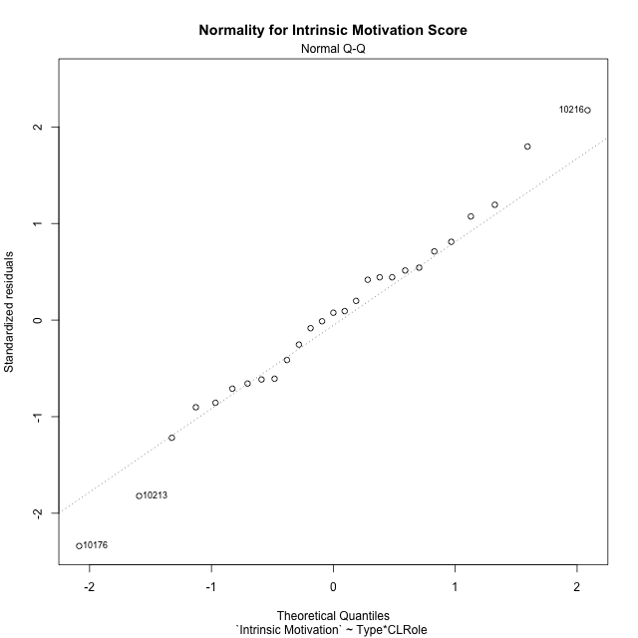

Levene's Test for Homogeneity of Variance in Intrinsic Motivation Score
Df | F value | Pr(>F)
3 | 1.7239584046 | 0.18999755353
23

Plots for homogeneity of variance
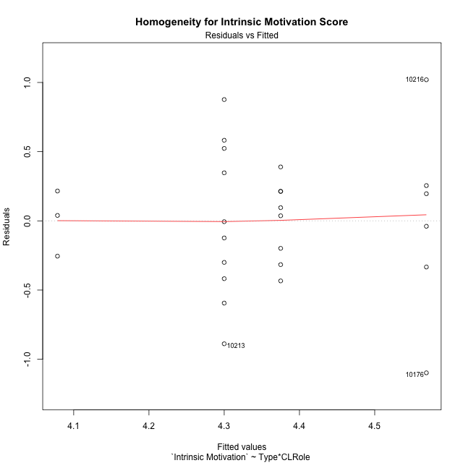

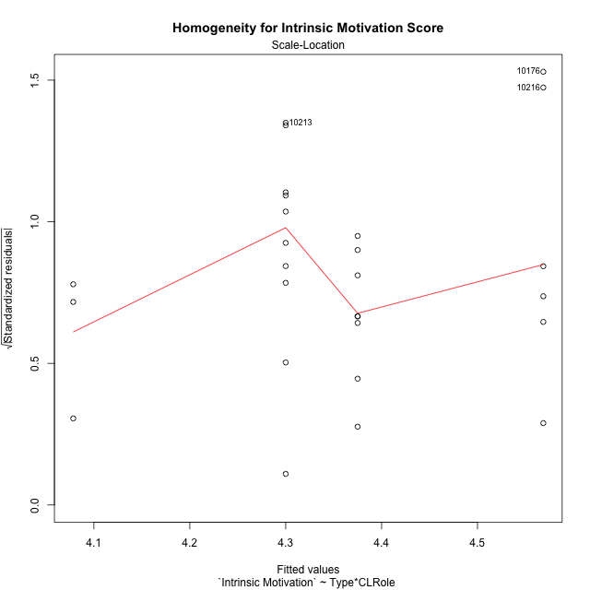

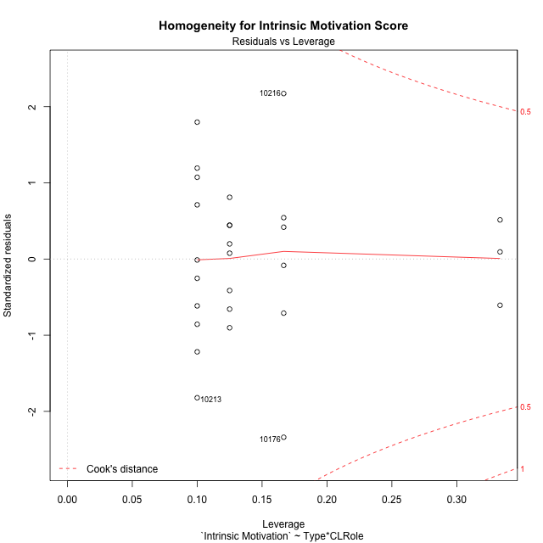

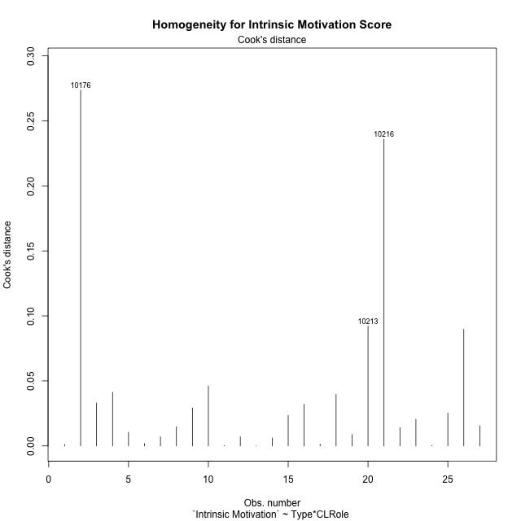

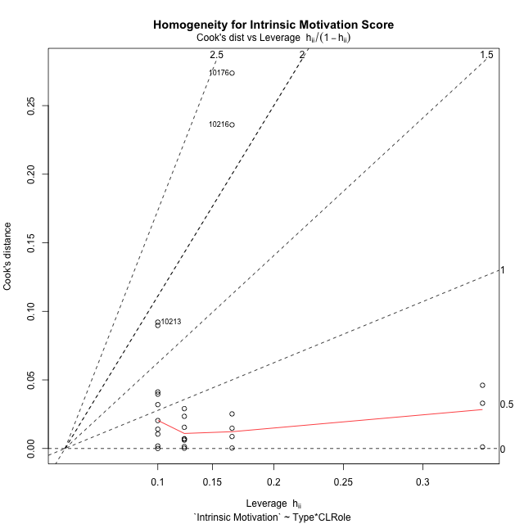

Minimum Sample Size Test for Intrinsic Motivation Score
Type | CLRole | Freq
ont-gamified | Apprentice | 8
w/o-gamified | Apprentice | 10
ont-gamified | Master | 6
w/o-gamified | Master | 3

Errors and Warnings in Sample Size Test for ANOVA in Intrinsic Motivation Score
code | description
WARN: sample.size | current size is 8 and recommended size is 15 for the group: 'ont-gamified:Apprentice'.
WARN: sample.size | current size is 10 and recommended size is 15 for the group: 'w/o-gamified:Apprentice'.
WARN: sample.size | current size is 6 and recommended size is 15 for the group: 'ont-gamified:Master'.
FAIL: min.size | current size is 3 but the minimal recomended size is 5 for the group: 'w/o-gamified:Master'.

For the group: 'ont-gamified:Apprentice', we recommend the use of non-parametric test. For the group: 'w/o-gamified:Apprentice', we recommend the use of non-parametric test. For the group: 'ont-gamified:Master', we recommend the use of non-parametric test. For the group: 'w/o-gamified:Master', we recommend the use of non-parametric test.

Post-hoc
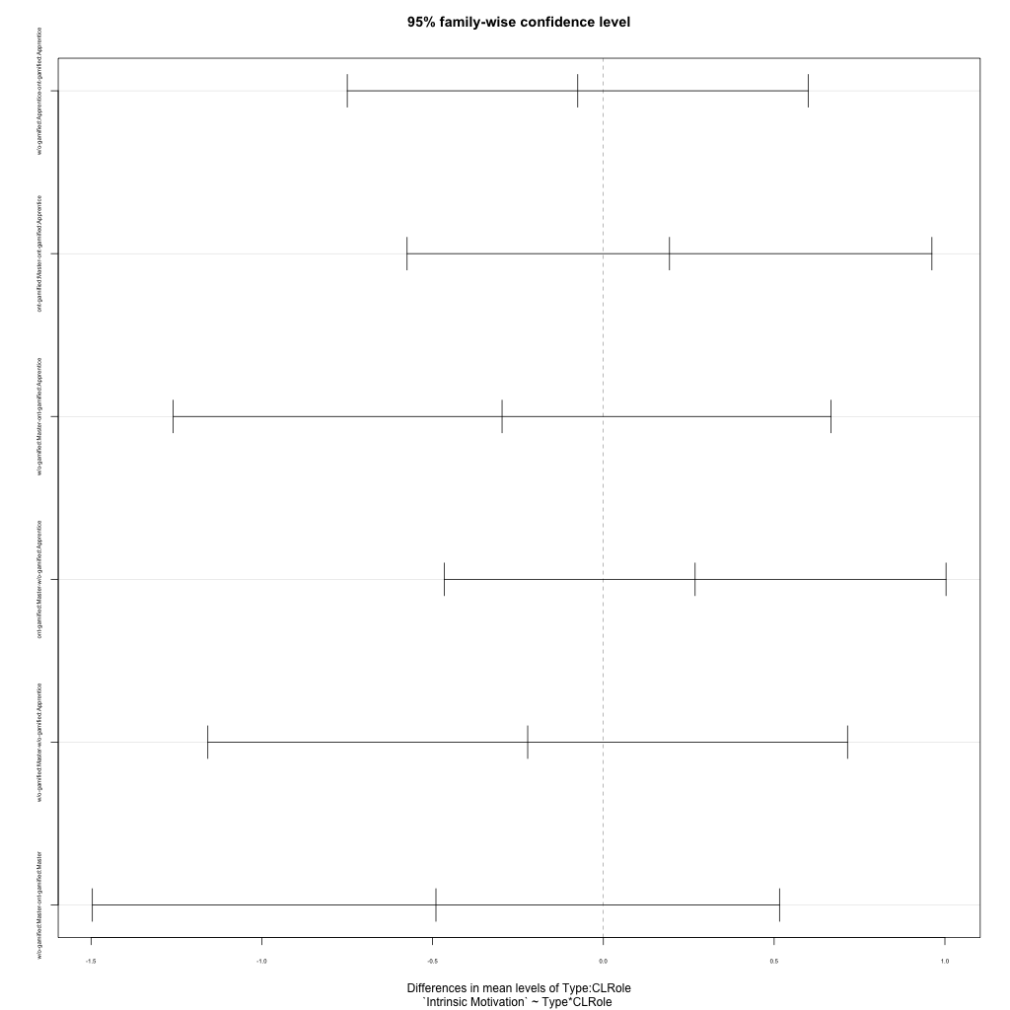
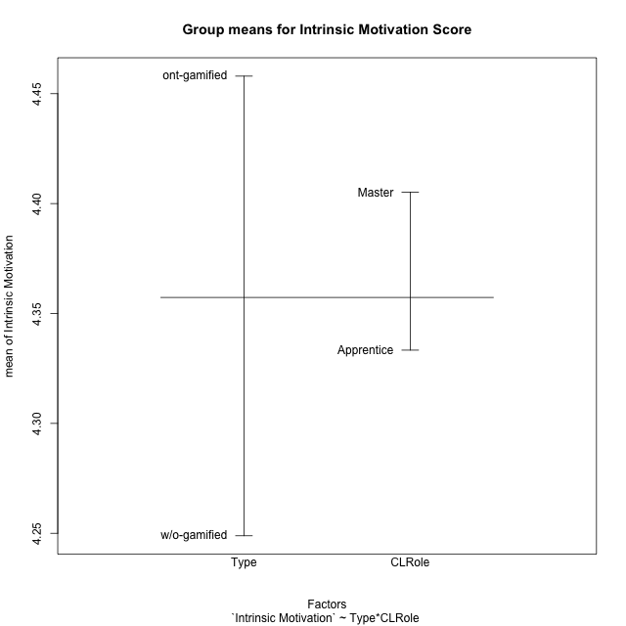
Post-hoc Tukey Honestly Significant Difference (HSD) Test for Intrinsic Motivation Score

Comparisons of means for Type
 | diff | lwr | upr | p adj
w/o-gamified-ont-gamified | -0.209114415 | -0.61873333027 | 0.20050450028 | 0.30190364499

Comparisons of means for CLRole
 | diff | lwr | upr | p adj
Master-Apprentice | 0.025425554837 | -0.40874282397 | 0.45959393364 | 0.90462936532

Comparisons of means for Type:CLRole
 | diff | lwr | upr | p adj
w/o-gamified:Apprentice-ont-gamified:Apprentice | -0.075 | -0.74982855468 | 0.59982855468 | 0.98963578521
ont-gamified:Master-ont-gamified:Apprentice | 0.19362745098 | -0.57469865739 | 0.96195355935 | 0.89702360002
w/o-gamified:Master-ont-gamified:Apprentice | -0.29656862745 | -1.2597163759 | 0.66657912095 | 0.82901013245
ont-gamified:Master-w/o-gamified:Apprentice | 0.26862745098 | -0.46603282584 | 1.0032877278 | 0.74420525483
w/o-gamified:Master-w/o-gamified:Apprentice | -0.22156862745 | -1.1580803993 | 0.71494314439 | 0.91280927729
w/o-gamified:Master-ont-gamified:Master | -0.49019607843 | -1.4961710927 | 0.51577893586 | 0.54284685883

Contrast Matrices for Intrinsic Motivation Score - Type
contrast | estimate | SE | df | t.ratio | p.value
ont-gamified - w/o-gamified | 0.28259803922 | 0.21886899287 | 23 | 1.2911743939 | 0.20947019491

Contrast Matrices for Intrinsic Motivation Score - Type:CLRole
contrast | CLRole | estimate | SE | df | t.ratio | p.value
ont-gamified - w/o-gamified | Apprentice | 0.075 | 0.24385770988 | 23 | 0.30755640261 | 0.76118762989
ont-gamified - w/o-gamified | Master | 0.49019607843 | 0.36352161076 | 23 | 1.3484647513 | 0.19063878708

Least Squares Means and Confidence Intervals for Type
Type | lsmean | SE | df | lower.CL | upper.CL | Pairs
ont-gamified | 4.4718137255 | 0.13882210817 | 23 | 4.1846383149 | 4.7589891361 | ont-gamified
w/o-gamified | 4.1892156863 | 0.16921010112 | 23 | 3.8391779228 | 4.5392534497 | w/o-gamified

Least Squares Means and Confidence Intervals for Type:CLRole
Type | CLRole | lsmean | SE | df | lower.CL | upper.CL | Pairs
ont-gamified | Apprentice | 4.375 | 0.18176080538 | 23 | 3.9989991267 | 4.7510008733 | ont-gamified.Apprentice
w/o-gamified | Apprentice | 4.3 | 0.16257180659 | 23 | 3.9636945951 | 4.6363054049 | w/o-gamified.Apprentice
ont-gamified | Master | 4.568627451 | 0.20987929983 | 23 | 4.1344590401 | 5.0027958618 | ont-gamified.Master
w/o-gamified | Master | 4.0784313725 | 0.29681415228 | 23 | 3.4644245176 | 4.6924382275 | w/o-gamified.Master

Plots

Type_1
Student's t-Test for Intrinsic Motivation Score in Type between ont-gamified:w/o-gamified

Student's t-Test results
Alternative hypothesis: less
Group | N | Mean | Mean.Difference | Std.deviation | Std.error | CI.lower | CI.upper | df | t.value | p.value | g | magnitude
ont-gamified | 14 | 4.4579831933 | 0.209114415 | 0.49386902355 | 0.13199204858 | 4.1939990961 | 4.7219672904 | 24.680815627 | 1.0782349988 | 0.85432262779 | 0.40328261572 | small
w/o-gamified | 13 | 4.2488687783 | -0.209114415 | 0.51233563272 | 0.142096338 | 3.9646761023 | 4.5330614543 | 24.680815627 | 1.0782349988 | 0.85432262779 | 0.40328261572 | small
Alternative hypothesis: greater
Group | N | Mean | Mean.Difference | Std.deviation | Std.error | CI.lower | CI.upper | df | t.value | p.value | g | magnitude
ont-gamified | 14 | 4.4579831933 | 0.209114415 | 0.49386902355 | 0.13199204858 | 4.1939990961 | 4.7219672904 | 24.680815627 | 1.0782349988 | 0.14567737221 | 0.40328261572 | small
w/o-gamified | 13 | 4.2488687783 | -0.209114415 | 0.51233563272 | 0.142096338 | 3.9646761023 | 4.5330614543 | 24.680815627 | 1.0782349988 | 0.14567737221 | 0.40328261572 | small
Alternative hypothesis: two.sided
Group | N | Mean | Mean.Difference | Std.deviation | Std.error | CI.lower | CI.upper | df | t.value | p.value | g | magnitude
ont-gamified | 14 | 4.4579831933 | 0.209114415 | 0.49386902355 | 0.13199204858 | 4.1939990961 | 4.7219672904 | 24.680815627 | 1.0782349988 | 0.29135474443 | 0.40328261572 | small
w/o-gamified | 13 | 4.2488687783 | -0.209114415 | 0.51233563272 | 0.142096338 | 3.9646761023 | 4.5330614543 | 24.680815627 | 1.0782349988 | 0.29135474443 | 0.40328261572 | small

Box plots for Student's t-Test
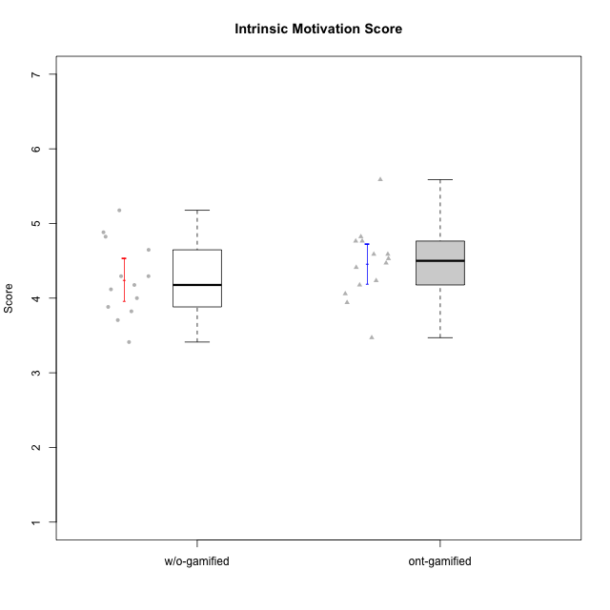

Student's t-Test data
UserID | Type | CLGroup | CLRole | PlayerRole | NroUSP | Item09IE | Item21IE | Item08IE | Item11IE | Item24IE | Item12IE | Item05PC | Item18PC | Item20PC | Item13PC | Item03PC | Item06PT | Item02PT | Item04PT | Item19EI | Item01EI | Item22EI | Item20A | Item25A | Item18A | Item07A | Item04A | Item01S | Item02S | Item09R | Item06R | Item12R | Interest/Enjoyment | Perceived Choice | Pressure/Tension | Effort/Importance | Attention | Relevance | Satisfaction | Intrinsic Motivation | Level of Motivation
10174 | w/o-gamified | Grupo7 | Master |  | 10276852 | 4 | 4 | 6 | 4 | 6 | 3 | 4 | 3 | 4 | 4 | 4 | 6 | 4 | 5 | 2 | 5 | 4 | 4 | 4 | 5 | 6 | 5 | 6 | 5 | 6 | 5 | 4 | 4.5 | 4.2 | 5 | 4.3333333333 | 4.8 | 3 | 5.5 | 4.1176470588 | 4.4
10176 | ont-gamified | Outlaws | Master | Social Achiever | 10276949 | 4 | 4 | 4 | 4 | 4 | 3 | 4 | 5 | 4 | 6 | 4 | 6 | 4 | 6 | 5 | 4 | 4 | 5 | 5 | 5 | 4 | 4 | 4 | 4 | 4 | 4 | 4 | 3.8333333333 | 3.4 | 5.3333333333 | 3.6666666667 | 4.6 | 4 | 4 | 3.4705882353 | 4.3
10179 | w/o-gamified | Grupo10 | Master |  | 10310759 | 3 | 4 | 3 | 2 | 4 | 6 | 6 | 5 | 4 | 5 | 7 | 2 | 1 | 1 | 1 | 2 | 5 | 4 | 4 | 4 | 2 | 5 | 3 | 4 | 4 | 2 | 4 | 3.6666666667 | 2.6 | 1.3333333333 | 6 | 3.8 | 4.6666666667 | 3.5 | 4.2941176471 | 4
10183 | w/o-gamified | Grupo3 | Apprentice |  | 10352030 | 3 | 3 | 3 | 3 | 2 | 3 | 4 | 3 | 5 | 2 | 4 | 5 | 4 | 4 | 3 | 4 | 4 | 2 | 2 | 2 | 2 | 3 | 2 | 2 | 5 | 2 | 3 | 2.8333333333 | 4.4 | 4.3333333333 | 4.3333333333 | 2.2 | 4 | 2 | 3.7058823529 | 2.7
10184 | w/o-gamified | Grupo10 | Apprentice |  | 10276675 | 4 | 3 | 4 | 4 | 4 | 4 | 5 | 4 | 4 | 3 | 4 | 4 | 4 | 3 | 4 | 4 | 4 | 4 | 4 | 4 | 2 | 4 | 6 | 4 | 4 | 4 | 4 | 3.8333333333 | 4 | 3.6666666667 | 4 | 3.6 | 4 | 5 | 4 | 4
10185 | w/o-gamified | Grupo9 | Apprentice |  | 10276960 | 4 | 3 | 6 | 5 | 6 | 5 | 6 | 6 | 3 | 5 | 3 | 5 | 4 | 4 | 3 | 4 | 5 | 3 | 5 | 3 | 4 | 2 | 4 | 5 | 5 | 3 | 3 | 4.8333333333 | 3.4 | 4.3333333333 | 4.6666666667 | 3.4 | 3.6666666667 | 4.5 | 4.1764705882 | 3.7
10186 | ont-gamified | Slayers | Apprentice | Social Achiever | 10310551 | 4 | 3 | 6 | 6 | 3 | 1 | 4 | 4 | 1 | 4 | 4 | 4 | 5 | 4 | 1 | 1 | 7 | 4 | 1 | 4 | 1 | 4 | 7 | 7 | 3 | 1 | 6 | 3.8333333333 | 4.6 | 4.3333333333 | 7 | 2.8 | 6 | 7 | 4.5882352941 | 4.6
10188 | ont-gamified | Vandals | Master | Yee Achiever | 10276995 | 3 | 3 | 4 | 1 | 3 | 4 | 1 | 1 | 1 | 3 | 3 | 1 | 1 | 1 | 3 | 2 | 1 | 3 | 4 | 4 | 2 | 4 | 3 | 3 | 2 | 2 | 4 | 3 | 6.2 | 1 | 4 | 3.4 | 5.3333333333 | 3 | 4.8235294118 | 3.9
10189 | ont-gamified | Vikings | Apprentice | Social Achiever | 9363926 | 2 | 2 | 4 | 1 | 2 | 1 | 5 | 4 | 4 | 5 | 5 | 2 | 1 | 1 | 3 | 1 | 6 | 1 | 1 | 2 | 1 | 2 | 3 | 2 | 6 | 1 | 4 | 2 | 3.4 | 1.3333333333 | 6 | 1.4 | 4.3333333333 | 2.5 | 3.9411764706 | 2.5
10191 | w/o-gamified | Grupo1 | Master |  | 10276981 | 3 | 2 | 3 | 3 | 2 | 1 | 5 | 4 | 5 | 5 | 5 | 1 | 1 | 1 | 4 | 2 | 4 | 2 | 4 | 2 | 4 | 4 | 4 | 4 | 3 | 2 | 3 | 2.3333333333 | 3.2 | 1 | 4.6666666667 | 3.2 | 4.6666666667 | 4 | 3.8235294118 | 3.8
10192 | ont-gamified | Attractive Devils | Apprentice | Social Achiever | 10276682 | 4 | 5 | 4 | 6 | 1 | 4 | 2 | 4 | 4 | 3 | 3 | 4 | 4 | 4 | 5 | 1 | 5 | 4 | 4 | 4 | 7 | 5 | 7 | 6 | 1 | 2 | 5 | 4 | 4.8 | 4 | 5 | 4.8 | 6 | 6.5 | 4.4117647059 | 5.5
10193 | ont-gamified | Vandals | Apprentice | Yee Achiever | 10276762 | 2 | 1 | 1 | 1 | 2 | 1 | 1 | 1 | 1 | 1 | 1 | 2 | 1 | 1 | 2 | 1 | 2 | 2 | 1 | 2 | 1 | 1 | 1 | 2 | 1 | 4 | 1 | 1.3333333333 | 7 | 1.3333333333 | 5 | 1.4 | 4 | 1.5 | 4.5882352941 | 2.2
10197 | w/o-gamified | Grupo8 | Apprentice |  | 10276661 | 3 | 2 | 5 | 5 | 2 | 4 | 3 | 2 | 4 | 4 | 2 | 5 | 3 | 3 | 3 | 3 | 4 | 4 | 4 | 7 | 5 | 4 | 4 | 4 | 5 | 4 | 4 | 3.5 | 5 | 3.6666666667 | 4.6666666667 | 4.8 | 3.6666666667 | 4 | 4.2941176471 | 4.3
10198 | ont-gamified | Attractive Devils | Apprentice | Social Achiever | 10310888 | 6 | 3 | 4 | 4 | 2 | 5 | 4 | 6 | 6 | 5 | 1 | 4 | 4 | 4 | 3 | 2 | 6 | 6 | 5 | 5 | 7 | 7 | 7 | 7 | 2 | 1 | 5 | 4 | 3.6 | 4 | 5.6666666667 | 6 | 6 | 7 | 4.1764705882 | 6.2
10200 | ont-gamified | Warriors | Apprentice | Social Achiever | 9795272 | 4 | 5 | 5 | 5 | 5 | 3 | 4 | 2 | 2 | 5 | 3 | 4 | 5 | 5 | 1 | 1 | 6 | 4 | 5 | 4 | 6 | 5 | 5 | 6 | 3 | 1 | 6 | 4.5 | 4.8 | 4.6666666667 | 6.6666666667 | 4.8 | 6 | 5.5 | 4.7647058824 | 5.3
10201 | w/o-gamified | Grupo11 | Apprentice |  | 10276928 | 5 | 6 | 6 | 5 | 3 | 6 | 3 | 4 | 4 | 3 | 5 | 4 | 3 | 2 | 3 | 3 | 5 | 6 | 5 | 6 | 6 | 4 | 6 | 5 | 4 | 2 | 6 | 5.1666666667 | 4.2 | 3 | 5 | 5.4 | 5.3333333333 | 5.5 | 4.8235294118 | 5.4
10202 | ont-gamified | Silly Knights | Apprentice | Social Achiever | 10277036 | 3 | 3 | 3 | 3 | 3 | 3 | 2 | 5 | 2 | 2 | 3 | 3 | 3 | 3 | 2 | 2 | 5 | 2 | 3 | 2 | 2 | 4 | 5 | 5 | 3 | 2 | 5 | 3 | 5.2 | 3 | 5.6666666667 | 2.6 | 5.3333333333 | 5 | 4.4705882353 | 3.9
10206 | w/o-gamified | Grupo8 | Apprentice |  | 10310721 | 4 | 5 | 4 | 2 | 4 | 3 | 2 | 2 | 2 | 3 | 3 | 3 | 3 | 2 | 2 | 2 | 5 | 4 | 6 | 4 | 4 | 5 | 5 | 5 | 3 | 2 | 6 | 3.6666666667 | 5.6 | 2.6666666667 | 5.6666666667 | 4.6 | 5.6666666667 | 5 | 4.8823529412 | 5
10208 | ont-gamified | Mercenaries | Master | Social Achiever | 10276932 | 4 | 4 | 4 | 4 | 4 | 3 | 2 | 4 | 2 | 4 | 4 | 2 | 2 | 2 | 2 | 2 | 4 | 2 | 2 | 2 | 3 | 3 | 5 | 5 | 5 | 3 | 3 | 3.8333333333 | 4.8 | 2 | 5.3333333333 | 2.4 | 3.6666666667 | 5 | 4.7647058824 | 3.3
10213 | w/o-gamified | Grupo7 | Apprentice |  | 10277040 | 3 | 4 | 4 | 7 | 4 | 1 | 7 | 7 | 7 | 7 | 7 | 7 | 1 | 7 | 1 | 1 | 7 | 7 | 7 | 5 | 7 | 7 | 7 | 4 | 2 | 1 | 4 | 3.8333333333 | 1 | 5 | 7 | 6.6 | 5.6666666667 | 5.5 | 3.4117647059 | 6.1
10216 | ont-gamified | Silly Knights | Master | Social Achiever | 10276720 | 5 | 4 | 4 | 3 | 5 | 7 | 2 | 1 | 3 | 2 | 3 | 1 | 1 | 1 | 2 | 1 | 4 | 5 | 6 | 4 | 2 | 4 | 5 | 5 | 2 | 1 | 7 | 4.6666666667 | 5.8 | 1 | 5.6666666667 | 4.2 | 6.6666666667 | 5 | 5.5882352941 | 5.1
10217 | w/o-gamified | Grupo9 | Apprentice |  | 9805341 | 5 | 5 | 5 | 3 | 4 | 4 | 5 | 4 | 2 | 4 | 4 | 1 | 1 | 1 | 4 | 3 | 2 | 4 | 4 | 3 | 4 | 5 | 4 | 4 | 3 | 3 | 6 | 4.3333333333 | 4.2 | 1 | 3.6666666667 | 4 | 5.3333333333 | 4 | 4.6470588235 | 4.4
10218 | w/o-gamified | Grupo10 | Apprentice |  | 9842913 | 4 | 4 | 4 | 4 | 4 | 4 | 5 | 5 | 4 | 4 | 4 | 4 | 4 | 5 | 4 | 4 | 5 | 4 | 4 | 3 | 5 | 3 | 4 | 3 | 3 | 4 | 4 | 4 | 3.6 | 4.3333333333 | 4.3333333333 | 3.8 | 4.3333333333 | 3.5 | 3.8823529412 | 3.9
10223 | ont-gamified | Slayers | Master | Social Achiever | 9795185 | 5 | 5 | 6 | 4 | 5 | 5 | 4 | 3 | 4 | 4 | 4 | 2 | 4 | 4 | 4 | 4 | 4 | 4 | 4 | 3 | 4 | 4 | 4 | 5 | 2 | 3 | 7 | 5 | 4.2 | 3.3333333333 | 4 | 3.8 | 6 | 4.5 | 4.5294117647 | 4.6
10230 | ont-gamified | Resistance | Master | Social Achiever | 10351992 | 4 | 5 | 5 | 4 | 5 | 4 | 4 | 3 | 5 | 3 | 5 | 6 | 5 | 4 | 2 | 3 | 5 | 2 | 4 | 3 | 6 | 6 | 4 | 6 | 3 | 4 | 4 | 4.5 | 4 | 5 | 5.3333333333 | 4.2 | 4.3333333333 | 5 | 4.2352941176 | 4.4
10232 | w/o-gamified | Grupo7 | Apprentice |  | 10276974 | 4 | 4 | 5 | 5 | 5 | 4 | 3 | 4 | 4 | 3 | 3 | 2 | 2 | 2 | 1 | 1 | 6 | 4 | 6 | 4 | 5 | 6 | 6 | 5 | 2 | 1 | 7 | 4.5 | 4.6 | 2 | 6.6666666667 | 5 | 6.6666666667 | 5.5 | 5.1764705882 | 5.6
10237 | ont-gamified | Outlaws | Apprentice | Social Achiever | 10377688 | 3 | 5 | 3 | 3 | 6 | 4 | 3 | 3 | 4 | 3 | 6 | 4 | 6 | 5 | 4 | 2 | 5 | 3 | 3 | 4 | 5 | 3 | 3 | 4 | 4 | 3 | 5 | 4 | 4.2 | 5 | 5 | 3.6 | 4.6666666667 | 3.5 | 4.0588235294 | 3.9

Type_CLRole_1
Student's t-Test for Intrinsic Motivation Score in Type:CLRole between ont-gamified.Apprentice:ont-gamified.Master

Student's t-Test results
Alternative hypothesis: less
Group | N | Mean | Mean.Difference | Std.deviation | Std.error | CI.lower | CI.upper | df | t.value | p.value | g | magnitude
ont-gamified.Apprentice | 8 | 4.375 | -0.19362745098 | 0.28806803585 | 0.1018474308 | 4.1713051384 | 4.5786948616 | 6.2725932597 | -0.63692459491 | 0.27335148401 | -0.36001068715 | small
ont-gamified.Master | 6 | 4.568627451 | 0.19362745098 | 0.70162112497 | 0.28643562482 | 3.9957562013 | 5.1414987006 | 6.2725932597 | -0.63692459491 | 0.27335148401 | -0.36001068715 | small
Alternative hypothesis: greater
Group | N | Mean | Mean.Difference | Std.deviation | Std.error | CI.lower | CI.upper | df | t.value | p.value | g | magnitude
ont-gamified.Apprentice | 8 | 4.375 | -0.19362745098 | 0.28806803585 | 0.1018474308 | 4.1713051384 | 4.5786948616 | 6.2725932597 | -0.63692459491 | 0.72664851599 | -0.36001068715 | small
ont-gamified.Master | 6 | 4.568627451 | 0.19362745098 | 0.70162112497 | 0.28643562482 | 3.9957562013 | 5.1414987006 | 6.2725932597 | -0.63692459491 | 0.72664851599 | -0.36001068715 | small
Alternative hypothesis: two.sided
Group | N | Mean | Mean.Difference | Std.deviation | Std.error | CI.lower | CI.upper | df | t.value | p.value | g | magnitude
ont-gamified.Apprentice | 8 | 4.375 | -0.19362745098 | 0.28806803585 | 0.1018474308 | 4.1713051384 | 4.5786948616 | 6.2725932597 | -0.63692459491 | 0.54670296802 | -0.36001068715 | small
ont-gamified.Master | 6 | 4.568627451 | 0.19362745098 | 0.70162112497 | 0.28643562482 | 3.9957562013 | 5.1414987006 | 6.2725932597 | -0.63692459491 | 0.54670296802 | -0.36001068715 | small

Box plots for Student's t-Test
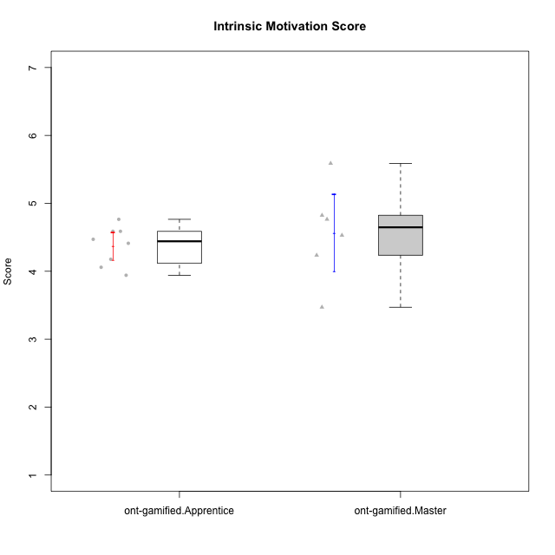

Student's t-Test data
UserID | Type | CLGroup | CLRole | PlayerRole | NroUSP | Item09IE | Item21IE | Item08IE | Item11IE | Item24IE | Item12IE | Item05PC | Item18PC | Item20PC | Item13PC | Item03PC | Item06PT | Item02PT | Item04PT | Item19EI | Item01EI | Item22EI | Item20A | Item25A | Item18A | Item07A | Item04A | Item01S | Item02S | Item09R | Item06R | Item12R | Interest/Enjoyment | Perceived Choice | Pressure/Tension | Effort/Importance | Attention | Relevance | Satisfaction | Intrinsic Motivation | Level of Motivation
10176 | ont-gamified | Outlaws | Master | Social Achiever | 10276949 | 4 | 4 | 4 | 4 | 4 | 3 | 4 | 5 | 4 | 6 | 4 | 6 | 4 | 6 | 5 | 4 | 4 | 5 | 5 | 5 | 4 | 4 | 4 | 4 | 4 | 4 | 4 | 3.8333333333 | 3.4 | 5.3333333333 | 3.6666666667 | 4.6 | 4 | 4 | 3.4705882353 | 4.3
10186 | ont-gamified | Slayers | Apprentice | Social Achiever | 10310551 | 4 | 3 | 6 | 6 | 3 | 1 | 4 | 4 | 1 | 4 | 4 | 4 | 5 | 4 | 1 | 1 | 7 | 4 | 1 | 4 | 1 | 4 | 7 | 7 | 3 | 1 | 6 | 3.8333333333 | 4.6 | 4.3333333333 | 7 | 2.8 | 6 | 7 | 4.5882352941 | 4.6
10188 | ont-gamified | Vandals | Master | Yee Achiever | 10276995 | 3 | 3 | 4 | 1 | 3 | 4 | 1 | 1 | 1 | 3 | 3 | 1 | 1 | 1 | 3 | 2 | 1 | 3 | 4 | 4 | 2 | 4 | 3 | 3 | 2 | 2 | 4 | 3 | 6.2 | 1 | 4 | 3.4 | 5.3333333333 | 3 | 4.8235294118 | 3.9
10189 | ont-gamified | Vikings | Apprentice | Social Achiever | 9363926 | 2 | 2 | 4 | 1 | 2 | 1 | 5 | 4 | 4 | 5 | 5 | 2 | 1 | 1 | 3 | 1 | 6 | 1 | 1 | 2 | 1 | 2 | 3 | 2 | 6 | 1 | 4 | 2 | 3.4 | 1.3333333333 | 6 | 1.4 | 4.3333333333 | 2.5 | 3.9411764706 | 2.5
10192 | ont-gamified | Attractive Devils | Apprentice | Social Achiever | 10276682 | 4 | 5 | 4 | 6 | 1 | 4 | 2 | 4 | 4 | 3 | 3 | 4 | 4 | 4 | 5 | 1 | 5 | 4 | 4 | 4 | 7 | 5 | 7 | 6 | 1 | 2 | 5 | 4 | 4.8 | 4 | 5 | 4.8 | 6 | 6.5 | 4.4117647059 | 5.5
10193 | ont-gamified | Vandals | Apprentice | Yee Achiever | 10276762 | 2 | 1 | 1 | 1 | 2 | 1 | 1 | 1 | 1 | 1 | 1 | 2 | 1 | 1 | 2 | 1 | 2 | 2 | 1 | 2 | 1 | 1 | 1 | 2 | 1 | 4 | 1 | 1.3333333333 | 7 | 1.3333333333 | 5 | 1.4 | 4 | 1.5 | 4.5882352941 | 2.2
10198 | ont-gamified | Attractive Devils | Apprentice | Social Achiever | 10310888 | 6 | 3 | 4 | 4 | 2 | 5 | 4 | 6 | 6 | 5 | 1 | 4 | 4 | 4 | 3 | 2 | 6 | 6 | 5 | 5 | 7 | 7 | 7 | 7 | 2 | 1 | 5 | 4 | 3.6 | 4 | 5.6666666667 | 6 | 6 | 7 | 4.1764705882 | 6.2
10200 | ont-gamified | Warriors | Apprentice | Social Achiever | 9795272 | 4 | 5 | 5 | 5 | 5 | 3 | 4 | 2 | 2 | 5 | 3 | 4 | 5 | 5 | 1 | 1 | 6 | 4 | 5 | 4 | 6 | 5 | 5 | 6 | 3 | 1 | 6 | 4.5 | 4.8 | 4.6666666667 | 6.6666666667 | 4.8 | 6 | 5.5 | 4.7647058824 | 5.3
10202 | ont-gamified | Silly Knights | Apprentice | Social Achiever | 10277036 | 3 | 3 | 3 | 3 | 3 | 3 | 2 | 5 | 2 | 2 | 3 | 3 | 3 | 3 | 2 | 2 | 5 | 2 | 3 | 2 | 2 | 4 | 5 | 5 | 3 | 2 | 5 | 3 | 5.2 | 3 | 5.6666666667 | 2.6 | 5.3333333333 | 5 | 4.4705882353 | 3.9
10208 | ont-gamified | Mercenaries | Master | Social Achiever | 10276932 | 4 | 4 | 4 | 4 | 4 | 3 | 2 | 4 | 2 | 4 | 4 | 2 | 2 | 2 | 2 | 2 | 4 | 2 | 2 | 2 | 3 | 3 | 5 | 5 | 5 | 3 | 3 | 3.8333333333 | 4.8 | 2 | 5.3333333333 | 2.4 | 3.6666666667 | 5 | 4.7647058824 | 3.3
10216 | ont-gamified | Silly Knights | Master | Social Achiever | 10276720 | 5 | 4 | 4 | 3 | 5 | 7 | 2 | 1 | 3 | 2 | 3 | 1 | 1 | 1 | 2 | 1 | 4 | 5 | 6 | 4 | 2 | 4 | 5 | 5 | 2 | 1 | 7 | 4.6666666667 | 5.8 | 1 | 5.6666666667 | 4.2 | 6.6666666667 | 5 | 5.5882352941 | 5.1
10223 | ont-gamified | Slayers | Master | Social Achiever | 9795185 | 5 | 5 | 6 | 4 | 5 | 5 | 4 | 3 | 4 | 4 | 4 | 2 | 4 | 4 | 4 | 4 | 4 | 4 | 4 | 3 | 4 | 4 | 4 | 5 | 2 | 3 | 7 | 5 | 4.2 | 3.3333333333 | 4 | 3.8 | 6 | 4.5 | 4.5294117647 | 4.6
10230 | ont-gamified | Resistance | Master | Social Achiever | 10351992 | 4 | 5 | 5 | 4 | 5 | 4 | 4 | 3 | 5 | 3 | 5 | 6 | 5 | 4 | 2 | 3 | 5 | 2 | 4 | 3 | 6 | 6 | 4 | 6 | 3 | 4 | 4 | 4.5 | 4 | 5 | 5.3333333333 | 4.2 | 4.3333333333 | 5 | 4.2352941176 | 4.4
10237 | ont-gamified | Outlaws | Apprentice | Social Achiever | 10377688 | 3 | 5 | 3 | 3 | 6 | 4 | 3 | 3 | 4 | 3 | 6 | 4 | 6 | 5 | 4 | 2 | 5 | 3 | 3 | 4 | 5 | 3 | 3 | 4 | 4 | 3 | 5 | 4 | 4.2 | 5 | 5 | 3.6 | 4.6666666667 | 3.5 | 4.0588235294 | 3.9

Type_CLRole_2
Student's t-Test for Intrinsic Motivation Score in Type:CLRole between ont-gamified.Apprentice:w/o-gamified.Apprentice

Student's t-Test results
Alternative hypothesis: less
Group | N | Mean | Mean.Difference | Std.deviation | Std.error | CI.lower | CI.upper | df | t.value | p.value | g | magnitude
ont-gamified.Apprentice | 8 | 4.375 | 0.075 | 0.28806803585 | 0.1018474308 | 4.1713051384 | 4.5786948616 | 13.849840832 | 0.36228688521 | 0.63869699062 | 0.15262454802 | negligible
w/o-gamified.Apprentice | 10 | 4.3 | -0.075 | 0.5699443844 | 0.18023223943 | 3.9395355211 | 4.6604644789 | 13.849840832 | 0.36228688521 | 0.63869699062 | 0.15262454802 | negligible
Alternative hypothesis: greater
Group | N | Mean | Mean.Difference | Std.deviation | Std.error | CI.lower | CI.upper | df | t.value | p.value | g | magnitude
ont-gamified.Apprentice | 8 | 4.375 | 0.075 | 0.28806803585 | 0.1018474308 | 4.1713051384 | 4.5786948616 | 13.849840832 | 0.36228688521 | 0.36130300938 | 0.15262454802 | negligible
w/o-gamified.Apprentice | 10 | 4.3 | -0.075 | 0.5699443844 | 0.18023223943 | 3.9395355211 | 4.6604644789 | 13.849840832 | 0.36228688521 | 0.36130300938 | 0.15262454802 | negligible
Alternative hypothesis: two.sided
Group | N | Mean | Mean.Difference | Std.deviation | Std.error | CI.lower | CI.upper | df | t.value | p.value | g | magnitude
ont-gamified.Apprentice | 8 | 4.375 | 0.075 | 0.28806803585 | 0.1018474308 | 4.1713051384 | 4.5786948616 | 13.849840832 | 0.36228688521 | 0.72260601877 | 0.15262454802 | negligible
w/o-gamified.Apprentice | 10 | 4.3 | -0.075 | 0.5699443844 | 0.18023223943 | 3.9395355211 | 4.6604644789 | 13.849840832 | 0.36228688521 | 0.72260601877 | 0.15262454802 | negligible

Box plots for Student's t-Test
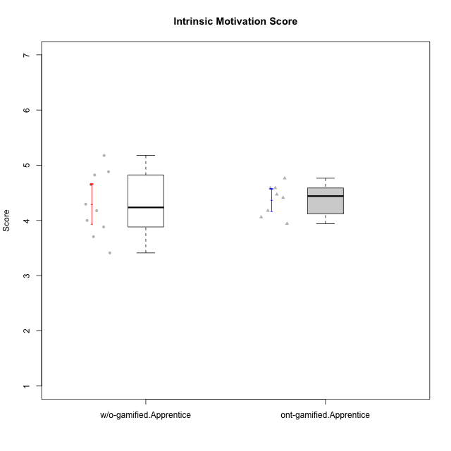

Student's t-Test data
UserID | Type | CLGroup | CLRole | PlayerRole | NroUSP | Item09IE | Item21IE | Item08IE | Item11IE | Item24IE | Item12IE | Item05PC | Item18PC | Item20PC | Item13PC | Item03PC | Item06PT | Item02PT | Item04PT | Item19EI | Item01EI | Item22EI | Item20A | Item25A | Item18A | Item07A | Item04A | Item01S | Item02S | Item09R | Item06R | Item12R | Interest/Enjoyment | Perceived Choice | Pressure/Tension | Effort/Importance | Attention | Relevance | Satisfaction | Intrinsic Motivation | Level of Motivation
10183 | w/o-gamified | Grupo3 | Apprentice |  | 10352030 | 3 | 3 | 3 | 3 | 2 | 3 | 4 | 3 | 5 | 2 | 4 | 5 | 4 | 4 | 3 | 4 | 4 | 2 | 2 | 2 | 2 | 3 | 2 | 2 | 5 | 2 | 3 | 2.8333333333 | 4.4 | 4.3333333333 | 4.3333333333 | 2.2 | 4 | 2 | 3.7058823529 | 2.7
10184 | w/o-gamified | Grupo10 | Apprentice |  | 10276675 | 4 | 3 | 4 | 4 | 4 | 4 | 5 | 4 | 4 | 3 | 4 | 4 | 4 | 3 | 4 | 4 | 4 | 4 | 4 | 4 | 2 | 4 | 6 | 4 | 4 | 4 | 4 | 3.8333333333 | 4 | 3.6666666667 | 4 | 3.6 | 4 | 5 | 4 | 4
10185 | w/o-gamified | Grupo9 | Apprentice |  | 10276960 | 4 | 3 | 6 | 5 | 6 | 5 | 6 | 6 | 3 | 5 | 3 | 5 | 4 | 4 | 3 | 4 | 5 | 3 | 5 | 3 | 4 | 2 | 4 | 5 | 5 | 3 | 3 | 4.8333333333 | 3.4 | 4.3333333333 | 4.6666666667 | 3.4 | 3.6666666667 | 4.5 | 4.1764705882 | 3.7
10186 | ont-gamified | Slayers | Apprentice | Social Achiever | 10310551 | 4 | 3 | 6 | 6 | 3 | 1 | 4 | 4 | 1 | 4 | 4 | 4 | 5 | 4 | 1 | 1 | 7 | 4 | 1 | 4 | 1 | 4 | 7 | 7 | 3 | 1 | 6 | 3.8333333333 | 4.6 | 4.3333333333 | 7 | 2.8 | 6 | 7 | 4.5882352941 | 4.6
10189 | ont-gamified | Vikings | Apprentice | Social Achiever | 9363926 | 2 | 2 | 4 | 1 | 2 | 1 | 5 | 4 | 4 | 5 | 5 | 2 | 1 | 1 | 3 | 1 | 6 | 1 | 1 | 2 | 1 | 2 | 3 | 2 | 6 | 1 | 4 | 2 | 3.4 | 1.3333333333 | 6 | 1.4 | 4.3333333333 | 2.5 | 3.9411764706 | 2.5
10192 | ont-gamified | Attractive Devils | Apprentice | Social Achiever | 10276682 | 4 | 5 | 4 | 6 | 1 | 4 | 2 | 4 | 4 | 3 | 3 | 4 | 4 | 4 | 5 | 1 | 5 | 4 | 4 | 4 | 7 | 5 | 7 | 6 | 1 | 2 | 5 | 4 | 4.8 | 4 | 5 | 4.8 | 6 | 6.5 | 4.4117647059 | 5.5
10193 | ont-gamified | Vandals | Apprentice | Yee Achiever | 10276762 | 2 | 1 | 1 | 1 | 2 | 1 | 1 | 1 | 1 | 1 | 1 | 2 | 1 | 1 | 2 | 1 | 2 | 2 | 1 | 2 | 1 | 1 | 1 | 2 | 1 | 4 | 1 | 1.3333333333 | 7 | 1.3333333333 | 5 | 1.4 | 4 | 1.5 | 4.5882352941 | 2.2
10197 | w/o-gamified | Grupo8 | Apprentice |  | 10276661 | 3 | 2 | 5 | 5 | 2 | 4 | 3 | 2 | 4 | 4 | 2 | 5 | 3 | 3 | 3 | 3 | 4 | 4 | 4 | 7 | 5 | 4 | 4 | 4 | 5 | 4 | 4 | 3.5 | 5 | 3.6666666667 | 4.6666666667 | 4.8 | 3.6666666667 | 4 | 4.2941176471 | 4.3
10198 | ont-gamified | Attractive Devils | Apprentice | Social Achiever | 10310888 | 6 | 3 | 4 | 4 | 2 | 5 | 4 | 6 | 6 | 5 | 1 | 4 | 4 | 4 | 3 | 2 | 6 | 6 | 5 | 5 | 7 | 7 | 7 | 7 | 2 | 1 | 5 | 4 | 3.6 | 4 | 5.6666666667 | 6 | 6 | 7 | 4.1764705882 | 6.2
10200 | ont-gamified | Warriors | Apprentice | Social Achiever | 9795272 | 4 | 5 | 5 | 5 | 5 | 3 | 4 | 2 | 2 | 5 | 3 | 4 | 5 | 5 | 1 | 1 | 6 | 4 | 5 | 4 | 6 | 5 | 5 | 6 | 3 | 1 | 6 | 4.5 | 4.8 | 4.6666666667 | 6.6666666667 | 4.8 | 6 | 5.5 | 4.7647058824 | 5.3
10201 | w/o-gamified | Grupo11 | Apprentice |  | 10276928 | 5 | 6 | 6 | 5 | 3 | 6 | 3 | 4 | 4 | 3 | 5 | 4 | 3 | 2 | 3 | 3 | 5 | 6 | 5 | 6 | 6 | 4 | 6 | 5 | 4 | 2 | 6 | 5.1666666667 | 4.2 | 3 | 5 | 5.4 | 5.3333333333 | 5.5 | 4.8235294118 | 5.4
10202 | ont-gamified | Silly Knights | Apprentice | Social Achiever | 10277036 | 3 | 3 | 3 | 3 | 3 | 3 | 2 | 5 | 2 | 2 | 3 | 3 | 3 | 3 | 2 | 2 | 5 | 2 | 3 | 2 | 2 | 4 | 5 | 5 | 3 | 2 | 5 | 3 | 5.2 | 3 | 5.6666666667 | 2.6 | 5.3333333333 | 5 | 4.4705882353 | 3.9
10206 | w/o-gamified | Grupo8 | Apprentice |  | 10310721 | 4 | 5 | 4 | 2 | 4 | 3 | 2 | 2 | 2 | 3 | 3 | 3 | 3 | 2 | 2 | 2 | 5 | 4 | 6 | 4 | 4 | 5 | 5 | 5 | 3 | 2 | 6 | 3.6666666667 | 5.6 | 2.6666666667 | 5.6666666667 | 4.6 | 5.6666666667 | 5 | 4.8823529412 | 5
10213 | w/o-gamified | Grupo7 | Apprentice |  | 10277040 | 3 | 4 | 4 | 7 | 4 | 1 | 7 | 7 | 7 | 7 | 7 | 7 | 1 | 7 | 1 | 1 | 7 | 7 | 7 | 5 | 7 | 7 | 7 | 4 | 2 | 1 | 4 | 3.8333333333 | 1 | 5 | 7 | 6.6 | 5.6666666667 | 5.5 | 3.4117647059 | 6.1
10217 | w/o-gamified | Grupo9 | Apprentice |  | 9805341 | 5 | 5 | 5 | 3 | 4 | 4 | 5 | 4 | 2 | 4 | 4 | 1 | 1 | 1 | 4 | 3 | 2 | 4 | 4 | 3 | 4 | 5 | 4 | 4 | 3 | 3 | 6 | 4.3333333333 | 4.2 | 1 | 3.6666666667 | 4 | 5.3333333333 | 4 | 4.6470588235 | 4.4
10218 | w/o-gamified | Grupo10 | Apprentice |  | 9842913 | 4 | 4 | 4 | 4 | 4 | 4 | 5 | 5 | 4 | 4 | 4 | 4 | 4 | 5 | 4 | 4 | 5 | 4 | 4 | 3 | 5 | 3 | 4 | 3 | 3 | 4 | 4 | 4 | 3.6 | 4.3333333333 | 4.3333333333 | 3.8 | 4.3333333333 | 3.5 | 3.8823529412 | 3.9
10232 | w/o-gamified | Grupo7 | Apprentice |  | 10276974 | 4 | 4 | 5 | 5 | 5 | 4 | 3 | 4 | 4 | 3 | 3 | 2 | 2 | 2 | 1 | 1 | 6 | 4 | 6 | 4 | 5 | 6 | 6 | 5 | 2 | 1 | 7 | 4.5 | 4.6 | 2 | 6.6666666667 | 5 | 6.6666666667 | 5.5 | 5.1764705882 | 5.6
10237 | ont-gamified | Outlaws | Apprentice | Social Achiever | 10377688 | 3 | 5 | 3 | 3 | 6 | 4 | 3 | 3 | 4 | 3 | 6 | 4 | 6 | 5 | 4 | 2 | 5 | 3 | 3 | 4 | 5 | 3 | 3 | 4 | 4 | 3 | 5 | 4 | 4.2 | 5 | 5 | 3.6 | 4.6666666667 | 3.5 | 4.0588235294 | 3.9

Type_CLRole_3
Student's t-Test for Intrinsic Motivation Score in Type:CLRole between ont-gamified.Apprentice:w/o-gamified.Master

Student's t-Test results
Alternative hypothesis: less
Group | N | Mean | Mean.Difference | Std.deviation | Std.error | CI.lower | CI.upper | df | t.value | p.value | g | magnitude
ont-gamified.Apprentice | 8 | 4.375 | 0.29656862745 | 0.28806803585 | 0.1018474308 | 4.1713051384 | 4.5786948616 | 4.4254505188 | 1.7351858357 | 0.92460116352 | 0.97650620511 | large
w/o-gamified.Master | 3 | 4.0784313725 | -0.29656862745 | 0.23773246378 | 0.13725490196 | 3.8039215686 | 4.3529411765 | 4.4254505188 | 1.7351858357 | 0.92460116352 | 0.97650620511 | large
Alternative hypothesis: greater
Group | N | Mean | Mean.Difference | Std.deviation | Std.error | CI.lower | CI.upper | df | t.value | p.value | g | magnitude
ont-gamified.Apprentice | 8 | 4.375 | 0.29656862745 | 0.28806803585 | 0.1018474308 | 4.1713051384 | 4.5786948616 | 4.4254505188 | 1.7351858357 | 0.075398836483 | 0.97650620511 | large
w/o-gamified.Master | 3 | 4.0784313725 | -0.29656862745 | 0.23773246378 | 0.13725490196 | 3.8039215686 | 4.3529411765 | 4.4254505188 | 1.7351858357 | 0.075398836483 | 0.97650620511 | large
Alternative hypothesis: two.sided
Group | N | Mean | Mean.Difference | Std.deviation | Std.error | CI.lower | CI.upper | df | t.value | p.value | g | magnitude
ont-gamified.Apprentice | 8 | 4.375 | 0.29656862745 | 0.28806803585 | 0.1018474308 | 4.1713051384 | 4.5786948616 | 4.4254505188 | 1.7351858357 | 0.15079767297 | 0.97650620511 | large
w/o-gamified.Master | 3 | 4.0784313725 | -0.29656862745 | 0.23773246378 | 0.13725490196 | 3.8039215686 | 4.3529411765 | 4.4254505188 | 1.7351858357 | 0.15079767297 | 0.97650620511 | large

Box plots for Student's t-Test
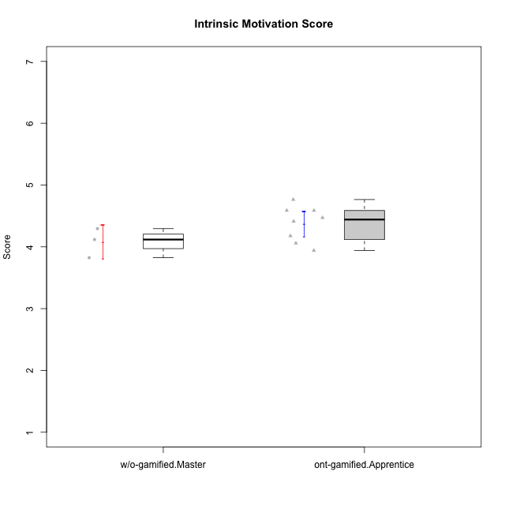

Student's t-Test data
UserID | Type | CLGroup | CLRole | PlayerRole | NroUSP | Item09IE | Item21IE | Item08IE | Item11IE | Item24IE | Item12IE | Item05PC | Item18PC | Item20PC | Item13PC | Item03PC | Item06PT | Item02PT | Item04PT | Item19EI | Item01EI | Item22EI | Item20A | Item25A | Item18A | Item07A | Item04A | Item01S | Item02S | Item09R | Item06R | Item12R | Interest/Enjoyment | Perceived Choice | Pressure/Tension | Effort/Importance | Attention | Relevance | Satisfaction | Intrinsic Motivation | Level of Motivation
10174 | w/o-gamified | Grupo7 | Master |  | 10276852 | 4 | 4 | 6 | 4 | 6 | 3 | 4 | 3 | 4 | 4 | 4 | 6 | 4 | 5 | 2 | 5 | 4 | 4 | 4 | 5 | 6 | 5 | 6 | 5 | 6 | 5 | 4 | 4.5 | 4.2 | 5 | 4.3333333333 | 4.8 | 3 | 5.5 | 4.1176470588 | 4.4
10179 | w/o-gamified | Grupo10 | Master |  | 10310759 | 3 | 4 | 3 | 2 | 4 | 6 | 6 | 5 | 4 | 5 | 7 | 2 | 1 | 1 | 1 | 2 | 5 | 4 | 4 | 4 | 2 | 5 | 3 | 4 | 4 | 2 | 4 | 3.6666666667 | 2.6 | 1.3333333333 | 6 | 3.8 | 4.6666666667 | 3.5 | 4.2941176471 | 4
10186 | ont-gamified | Slayers | Apprentice | Social Achiever | 10310551 | 4 | 3 | 6 | 6 | 3 | 1 | 4 | 4 | 1 | 4 | 4 | 4 | 5 | 4 | 1 | 1 | 7 | 4 | 1 | 4 | 1 | 4 | 7 | 7 | 3 | 1 | 6 | 3.8333333333 | 4.6 | 4.3333333333 | 7 | 2.8 | 6 | 7 | 4.5882352941 | 4.6
10189 | ont-gamified | Vikings | Apprentice | Social Achiever | 9363926 | 2 | 2 | 4 | 1 | 2 | 1 | 5 | 4 | 4 | 5 | 5 | 2 | 1 | 1 | 3 | 1 | 6 | 1 | 1 | 2 | 1 | 2 | 3 | 2 | 6 | 1 | 4 | 2 | 3.4 | 1.3333333333 | 6 | 1.4 | 4.3333333333 | 2.5 | 3.9411764706 | 2.5
10191 | w/o-gamified | Grupo1 | Master |  | 10276981 | 3 | 2 | 3 | 3 | 2 | 1 | 5 | 4 | 5 | 5 | 5 | 1 | 1 | 1 | 4 | 2 | 4 | 2 | 4 | 2 | 4 | 4 | 4 | 4 | 3 | 2 | 3 | 2.3333333333 | 3.2 | 1 | 4.6666666667 | 3.2 | 4.6666666667 | 4 | 3.8235294118 | 3.8
10192 | ont-gamified | Attractive Devils | Apprentice | Social Achiever | 10276682 | 4 | 5 | 4 | 6 | 1 | 4 | 2 | 4 | 4 | 3 | 3 | 4 | 4 | 4 | 5 | 1 | 5 | 4 | 4 | 4 | 7 | 5 | 7 | 6 | 1 | 2 | 5 | 4 | 4.8 | 4 | 5 | 4.8 | 6 | 6.5 | 4.4117647059 | 5.5
10193 | ont-gamified | Vandals | Apprentice | Yee Achiever | 10276762 | 2 | 1 | 1 | 1 | 2 | 1 | 1 | 1 | 1 | 1 | 1 | 2 | 1 | 1 | 2 | 1 | 2 | 2 | 1 | 2 | 1 | 1 | 1 | 2 | 1 | 4 | 1 | 1.3333333333 | 7 | 1.3333333333 | 5 | 1.4 | 4 | 1.5 | 4.5882352941 | 2.2
10198 | ont-gamified | Attractive Devils | Apprentice | Social Achiever | 10310888 | 6 | 3 | 4 | 4 | 2 | 5 | 4 | 6 | 6 | 5 | 1 | 4 | 4 | 4 | 3 | 2 | 6 | 6 | 5 | 5 | 7 | 7 | 7 | 7 | 2 | 1 | 5 | 4 | 3.6 | 4 | 5.6666666667 | 6 | 6 | 7 | 4.1764705882 | 6.2
10200 | ont-gamified | Warriors | Apprentice | Social Achiever | 9795272 | 4 | 5 | 5 | 5 | 5 | 3 | 4 | 2 | 2 | 5 | 3 | 4 | 5 | 5 | 1 | 1 | 6 | 4 | 5 | 4 | 6 | 5 | 5 | 6 | 3 | 1 | 6 | 4.5 | 4.8 | 4.6666666667 | 6.6666666667 | 4.8 | 6 | 5.5 | 4.7647058824 | 5.3
10202 | ont-gamified | Silly Knights | Apprentice | Social Achiever | 10277036 | 3 | 3 | 3 | 3 | 3 | 3 | 2 | 5 | 2 | 2 | 3 | 3 | 3 | 3 | 2 | 2 | 5 | 2 | 3 | 2 | 2 | 4 | 5 | 5 | 3 | 2 | 5 | 3 | 5.2 | 3 | 5.6666666667 | 2.6 | 5.3333333333 | 5 | 4.4705882353 | 3.9
10237 | ont-gamified | Outlaws | Apprentice | Social Achiever | 10377688 | 3 | 5 | 3 | 3 | 6 | 4 | 3 | 3 | 4 | 3 | 6 | 4 | 6 | 5 | 4 | 2 | 5 | 3 | 3 | 4 | 5 | 3 | 3 | 4 | 4 | 3 | 5 | 4 | 4.2 | 5 | 5 | 3.6 | 4.6666666667 | 3.5 | 4.0588235294 | 3.9

Type_CLRole_4
Student's t-Test for Intrinsic Motivation Score in Type:CLRole between ont-gamified.Master:w/o-gamified.Apprentice

Student's t-Test results
Alternative hypothesis: less
Group | N | Mean | Mean.Difference | Std.deviation | Std.error | CI.lower | CI.upper | df | t.value | p.value | g | magnitude
ont-gamified.Master | 6 | 4.568627451 | 0.26862745098 | 0.70162112497 | 0.28643562482 | 3.9957562013 | 5.1414987006 | 8.9624974448 | 0.79376620551 | 0.77608170253 | 0.40951199553 | small
w/o-gamified.Apprentice | 10 | 4.3 | -0.26862745098 | 0.5699443844 | 0.18023223943 | 3.9395355211 | 4.6604644789 | 8.9624974448 | 0.79376620551 | 0.77608170253 | 0.40951199553 | small
Alternative hypothesis: greater
Group | N | Mean | Mean.Difference | Std.deviation | Std.error | CI.lower | CI.upper | df | t.value | p.value | g | magnitude
ont-gamified.Master | 6 | 4.568627451 | 0.26862745098 | 0.70162112497 | 0.28643562482 | 3.9957562013 | 5.1414987006 | 8.9624974448 | 0.79376620551 | 0.22391829747 | 0.40951199553 | small
w/o-gamified.Apprentice | 10 | 4.3 | -0.26862745098 | 0.5699443844 | 0.18023223943 | 3.9395355211 | 4.6604644789 | 8.9624974448 | 0.79376620551 | 0.22391829747 | 0.40951199553 | small
Alternative hypothesis: two.sided
Group | N | Mean | Mean.Difference | Std.deviation | Std.error | CI.lower | CI.upper | df | t.value | p.value | g | magnitude
ont-gamified.Master | 6 | 4.568627451 | 0.26862745098 | 0.70162112497 | 0.28643562482 | 3.9957562013 | 5.1414987006 | 8.9624974448 | 0.79376620551 | 0.44783659493 | 0.40951199553 | small
w/o-gamified.Apprentice | 10 | 4.3 | -0.26862745098 | 0.5699443844 | 0.18023223943 | 3.9395355211 | 4.6604644789 | 8.9624974448 | 0.79376620551 | 0.44783659493 | 0.40951199553 | small

Box plots for Student's t-Test


Student's t-Test data
UserID | Type | CLGroup | CLRole | PlayerRole | NroUSP | Item09IE | Item21IE | Item08IE | Item11IE | Item24IE | Item12IE | Item05PC | Item18PC | Item20PC | Item13PC | Item03PC | Item06PT | Item02PT | Item04PT | Item19EI | Item01EI | Item22EI | Item20A | Item25A | Item18A | Item07A | Item04A | Item01S | Item02S | Item09R | Item06R | Item12R | Interest/Enjoyment | Perceived Choice | Pressure/Tension | Effort/Importance | Attention | Relevance | Satisfaction | Intrinsic Motivation | Level of Motivation
10176 | ont-gamified | Outlaws | Master | Social Achiever | 10276949 | 4 | 4 | 4 | 4 | 4 | 3 | 4 | 5 | 4 | 6 | 4 | 6 | 4 | 6 | 5 | 4 | 4 | 5 | 5 | 5 | 4 | 4 | 4 | 4 | 4 | 4 | 4 | 3.8333333333 | 3.4 | 5.3333333333 | 3.6666666667 | 4.6 | 4 | 4 | 3.4705882353 | 4.3
10183 | w/o-gamified | Grupo3 | Apprentice |  | 10352030 | 3 | 3 | 3 | 3 | 2 | 3 | 4 | 3 | 5 | 2 | 4 | 5 | 4 | 4 | 3 | 4 | 4 | 2 | 2 | 2 | 2 | 3 | 2 | 2 | 5 | 2 | 3 | 2.8333333333 | 4.4 | 4.3333333333 | 4.3333333333 | 2.2 | 4 | 2 | 3.7058823529 | 2.7
10184 | w/o-gamified | Grupo10 | Apprentice |  | 10276675 | 4 | 3 | 4 | 4 | 4 | 4 | 5 | 4 | 4 | 3 | 4 | 4 | 4 | 3 | 4 | 4 | 4 | 4 | 4 | 4 | 2 | 4 | 6 | 4 | 4 | 4 | 4 | 3.8333333333 | 4 | 3.6666666667 | 4 | 3.6 | 4 | 5 | 4 | 4
10185 | w/o-gamified | Grupo9 | Apprentice |  | 10276960 | 4 | 3 | 6 | 5 | 6 | 5 | 6 | 6 | 3 | 5 | 3 | 5 | 4 | 4 | 3 | 4 | 5 | 3 | 5 | 3 | 4 | 2 | 4 | 5 | 5 | 3 | 3 | 4.8333333333 | 3.4 | 4.3333333333 | 4.6666666667 | 3.4 | 3.6666666667 | 4.5 | 4.1764705882 | 3.7
10188 | ont-gamified | Vandals | Master | Yee Achiever | 10276995 | 3 | 3 | 4 | 1 | 3 | 4 | 1 | 1 | 1 | 3 | 3 | 1 | 1 | 1 | 3 | 2 | 1 | 3 | 4 | 4 | 2 | 4 | 3 | 3 | 2 | 2 | 4 | 3 | 6.2 | 1 | 4 | 3.4 | 5.3333333333 | 3 | 4.8235294118 | 3.9
10197 | w/o-gamified | Grupo8 | Apprentice |  | 10276661 | 3 | 2 | 5 | 5 | 2 | 4 | 3 | 2 | 4 | 4 | 2 | 5 | 3 | 3 | 3 | 3 | 4 | 4 | 4 | 7 | 5 | 4 | 4 | 4 | 5 | 4 | 4 | 3.5 | 5 | 3.6666666667 | 4.6666666667 | 4.8 | 3.6666666667 | 4 | 4.2941176471 | 4.3
10201 | w/o-gamified | Grupo11 | Apprentice |  | 10276928 | 5 | 6 | 6 | 5 | 3 | 6 | 3 | 4 | 4 | 3 | 5 | 4 | 3 | 2 | 3 | 3 | 5 | 6 | 5 | 6 | 6 | 4 | 6 | 5 | 4 | 2 | 6 | 5.1666666667 | 4.2 | 3 | 5 | 5.4 | 5.3333333333 | 5.5 | 4.8235294118 | 5.4
10206 | w/o-gamified | Grupo8 | Apprentice |  | 10310721 | 4 | 5 | 4 | 2 | 4 | 3 | 2 | 2 | 2 | 3 | 3 | 3 | 3 | 2 | 2 | 2 | 5 | 4 | 6 | 4 | 4 | 5 | 5 | 5 | 3 | 2 | 6 | 3.6666666667 | 5.6 | 2.6666666667 | 5.6666666667 | 4.6 | 5.6666666667 | 5 | 4.8823529412 | 5
10208 | ont-gamified | Mercenaries | Master | Social Achiever | 10276932 | 4 | 4 | 4 | 4 | 4 | 3 | 2 | 4 | 2 | 4 | 4 | 2 | 2 | 2 | 2 | 2 | 4 | 2 | 2 | 2 | 3 | 3 | 5 | 5 | 5 | 3 | 3 | 3.8333333333 | 4.8 | 2 | 5.3333333333 | 2.4 | 3.6666666667 | 5 | 4.7647058824 | 3.3
10213 | w/o-gamified | Grupo7 | Apprentice |  | 10277040 | 3 | 4 | 4 | 7 | 4 | 1 | 7 | 7 | 7 | 7 | 7 | 7 | 1 | 7 | 1 | 1 | 7 | 7 | 7 | 5 | 7 | 7 | 7 | 4 | 2 | 1 | 4 | 3.8333333333 | 1 | 5 | 7 | 6.6 | 5.6666666667 | 5.5 | 3.4117647059 | 6.1
10216 | ont-gamified | Silly Knights | Master | Social Achiever | 10276720 | 5 | 4 | 4 | 3 | 5 | 7 | 2 | 1 | 3 | 2 | 3 | 1 | 1 | 1 | 2 | 1 | 4 | 5 | 6 | 4 | 2 | 4 | 5 | 5 | 2 | 1 | 7 | 4.6666666667 | 5.8 | 1 | 5.6666666667 | 4.2 | 6.6666666667 | 5 | 5.5882352941 | 5.1
10217 | w/o-gamified | Grupo9 | Apprentice |  | 9805341 | 5 | 5 | 5 | 3 | 4 | 4 | 5 | 4 | 2 | 4 | 4 | 1 | 1 | 1 | 4 | 3 | 2 | 4 | 4 | 3 | 4 | 5 | 4 | 4 | 3 | 3 | 6 | 4.3333333333 | 4.2 | 1 | 3.6666666667 | 4 | 5.3333333333 | 4 | 4.6470588235 | 4.4
10218 | w/o-gamified | Grupo10 | Apprentice |  | 9842913 | 4 | 4 | 4 | 4 | 4 | 4 | 5 | 5 | 4 | 4 | 4 | 4 | 4 | 5 | 4 | 4 | 5 | 4 | 4 | 3 | 5 | 3 | 4 | 3 | 3 | 4 | 4 | 4 | 3.6 | 4.3333333333 | 4.3333333333 | 3.8 | 4.3333333333 | 3.5 | 3.8823529412 | 3.9
10223 | ont-gamified | Slayers | Master | Social Achiever | 9795185 | 5 | 5 | 6 | 4 | 5 | 5 | 4 | 3 | 4 | 4 | 4 | 2 | 4 | 4 | 4 | 4 | 4 | 4 | 4 | 3 | 4 | 4 | 4 | 5 | 2 | 3 | 7 | 5 | 4.2 | 3.3333333333 | 4 | 3.8 | 6 | 4.5 | 4.5294117647 | 4.6
10230 | ont-gamified | Resistance | Master | Social Achiever | 10351992 | 4 | 5 | 5 | 4 | 5 | 4 | 4 | 3 | 5 | 3 | 5 | 6 | 5 | 4 | 2 | 3 | 5 | 2 | 4 | 3 | 6 | 6 | 4 | 6 | 3 | 4 | 4 | 4.5 | 4 | 5 | 5.3333333333 | 4.2 | 4.3333333333 | 5 | 4.2352941176 | 4.4
10232 | w/o-gamified | Grupo7 | Apprentice |  | 10276974 | 4 | 4 | 5 | 5 | 5 | 4 | 3 | 4 | 4 | 3 | 3 | 2 | 2 | 2 | 1 | 1 | 6 | 4 | 6 | 4 | 5 | 6 | 6 | 5 | 2 | 1 | 7 | 4.5 | 4.6 | 2 | 6.6666666667 | 5 | 6.6666666667 | 5.5 | 5.1764705882 | 5.6

Type_CLRole_5
Student's t-Test for Intrinsic Motivation Score in Type:CLRole between ont-gamified.Master:w/o-gamified.Master

Student's t-Test results
Alternative hypothesis: less
Group | N | Mean | Mean.Difference | Std.deviation | Std.error | CI.lower | CI.upper | df | t.value | p.value | g | magnitude
ont-gamified.Master | 6 | 4.568627451 | 0.49019607843 | 0.70162112497 | 0.28643562482 | 3.9957562013 | 5.1414987006 | 6.679376028 | 1.5433274948 | 0.91565211954 | 0.71850332747 | medium
w/o-gamified.Master | 3 | 4.0784313725 | -0.49019607843 | 0.23773246378 | 0.13725490196 | 3.8039215686 | 4.3529411765 | 6.679376028 | 1.5433274948 | 0.91565211954 | 0.71850332747 | medium
Alternative hypothesis: greater
Group | N | Mean | Mean.Difference | Std.deviation | Std.error | CI.lower | CI.upper | df | t.value | p.value | g | magnitude
ont-gamified.Master | 6 | 4.568627451 | 0.49019607843 | 0.70162112497 | 0.28643562482 | 3.9957562013 | 5.1414987006 | 6.679376028 | 1.5433274948 | 0.084347880462 | 0.71850332747 | medium
w/o-gamified.Master | 3 | 4.0784313725 | -0.49019607843 | 0.23773246378 | 0.13725490196 | 3.8039215686 | 4.3529411765 | 6.679376028 | 1.5433274948 | 0.084347880462 | 0.71850332747 | medium
Alternative hypothesis: two.sided
Group | N | Mean | Mean.Difference | Std.deviation | Std.error | CI.lower | CI.upper | df | t.value | p.value | g | magnitude
ont-gamified.Master | 6 | 4.568627451 | 0.49019607843 | 0.70162112497 | 0.28643562482 | 3.9957562013 | 5.1414987006 | 6.679376028 | 1.5433274948 | 0.16869576092 | 0.71850332747 | medium
w/o-gamified.Master | 3 | 4.0784313725 | -0.49019607843 | 0.23773246378 | 0.13725490196 | 3.8039215686 | 4.3529411765 | 6.679376028 | 1.5433274948 | 0.16869576092 | 0.71850332747 | medium

Box plots for Student's t-Test


Student's t-Test data
UserID | Type | CLGroup | CLRole | PlayerRole | NroUSP | Item09IE | Item21IE | Item08IE | Item11IE | Item24IE | Item12IE | Item05PC | Item18PC | Item20PC | Item13PC | Item03PC | Item06PT | Item02PT | Item04PT | Item19EI | Item01EI | Item22EI | Item20A | Item25A | Item18A | Item07A | Item04A | Item01S | Item02S | Item09R | Item06R | Item12R | Interest/Enjoyment | Perceived Choice | Pressure/Tension | Effort/Importance | Attention | Relevance | Satisfaction | Intrinsic Motivation | Level of Motivation
10174 | w/o-gamified | Grupo7 | Master |  | 10276852 | 4 | 4 | 6 | 4 | 6 | 3 | 4 | 3 | 4 | 4 | 4 | 6 | 4 | 5 | 2 | 5 | 4 | 4 | 4 | 5 | 6 | 5 | 6 | 5 | 6 | 5 | 4 | 4.5 | 4.2 | 5 | 4.3333333333 | 4.8 | 3 | 5.5 | 4.1176470588 | 4.4
10176 | ont-gamified | Outlaws | Master | Social Achiever | 10276949 | 4 | 4 | 4 | 4 | 4 | 3 | 4 | 5 | 4 | 6 | 4 | 6 | 4 | 6 | 5 | 4 | 4 | 5 | 5 | 5 | 4 | 4 | 4 | 4 | 4 | 4 | 4 | 3.8333333333 | 3.4 | 5.3333333333 | 3.6666666667 | 4.6 | 4 | 4 | 3.4705882353 | 4.3
10179 | w/o-gamified | Grupo10 | Master |  | 10310759 | 3 | 4 | 3 | 2 | 4 | 6 | 6 | 5 | 4 | 5 | 7 | 2 | 1 | 1 | 1 | 2 | 5 | 4 | 4 | 4 | 2 | 5 | 3 | 4 | 4 | 2 | 4 | 3.6666666667 | 2.6 | 1.3333333333 | 6 | 3.8 | 4.6666666667 | 3.5 | 4.2941176471 | 4
10188 | ont-gamified | Vandals | Master | Yee Achiever | 10276995 | 3 | 3 | 4 | 1 | 3 | 4 | 1 | 1 | 1 | 3 | 3 | 1 | 1 | 1 | 3 | 2 | 1 | 3 | 4 | 4 | 2 | 4 | 3 | 3 | 2 | 2 | 4 | 3 | 6.2 | 1 | 4 | 3.4 | 5.3333333333 | 3 | 4.8235294118 | 3.9
10191 | w/o-gamified | Grupo1 | Master |  | 10276981 | 3 | 2 | 3 | 3 | 2 | 1 | 5 | 4 | 5 | 5 | 5 | 1 | 1 | 1 | 4 | 2 | 4 | 2 | 4 | 2 | 4 | 4 | 4 | 4 | 3 | 2 | 3 | 2.3333333333 | 3.2 | 1 | 4.6666666667 | 3.2 | 4.6666666667 | 4 | 3.8235294118 | 3.8
10208 | ont-gamified | Mercenaries | Master | Social Achiever | 10276932 | 4 | 4 | 4 | 4 | 4 | 3 | 2 | 4 | 2 | 4 | 4 | 2 | 2 | 2 | 2 | 2 | 4 | 2 | 2 | 2 | 3 | 3 | 5 | 5 | 5 | 3 | 3 | 3.8333333333 | 4.8 | 2 | 5.3333333333 | 2.4 | 3.6666666667 | 5 | 4.7647058824 | 3.3
10216 | ont-gamified | Silly Knights | Master | Social Achiever | 10276720 | 5 | 4 | 4 | 3 | 5 | 7 | 2 | 1 | 3 | 2 | 3 | 1 | 1 | 1 | 2 | 1 | 4 | 5 | 6 | 4 | 2 | 4 | 5 | 5 | 2 | 1 | 7 | 4.6666666667 | 5.8 | 1 | 5.6666666667 | 4.2 | 6.6666666667 | 5 | 5.5882352941 | 5.1
10223 | ont-gamified | Slayers | Master | Social Achiever | 9795185 | 5 | 5 | 6 | 4 | 5 | 5 | 4 | 3 | 4 | 4 | 4 | 2 | 4 | 4 | 4 | 4 | 4 | 4 | 4 | 3 | 4 | 4 | 4 | 5 | 2 | 3 | 7 | 5 | 4.2 | 3.3333333333 | 4 | 3.8 | 6 | 4.5 | 4.5294117647 | 4.6
10230 | ont-gamified | Resistance | Master | Social Achiever | 10351992 | 4 | 5 | 5 | 4 | 5 | 4 | 4 | 3 | 5 | 3 | 5 | 6 | 5 | 4 | 2 | 3 | 5 | 2 | 4 | 3 | 6 | 6 | 4 | 6 | 3 | 4 | 4 | 4.5 | 4 | 5 | 5.3333333333 | 4.2 | 4.3333333333 | 5 | 4.2352941176 | 4.4

Type_CLRole_6
Student's t-Test for Intrinsic Motivation Score in Type:CLRole between w/o-gamified.Apprentice:w/o-gamified.Master

Student's t-Test results
Alternative hypothesis: less
Group | N | Mean | Mean.Difference | Std.deviation | Std.error | CI.lower | CI.upper | df | t.value | p.value | g | magnitude
w/o-gamified.Apprentice | 10 | 4.3 | 0.22156862745 | 0.5699443844 | 0.18023223943 | 3.9395355211 | 4.6604644789 | 8.9380640764 | 0.97803427983 | 0.82310748349 | 0.39228798588 | small
w/o-gamified.Master | 3 | 4.0784313725 | -0.22156862745 | 0.23773246378 | 0.13725490196 | 3.8039215686 | 4.3529411765 | 8.9380640764 | 0.97803427983 | 0.82310748349 | 0.39228798588 | small
Alternative hypothesis: greater
Group | N | Mean | Mean.Difference | Std.deviation | Std.error | CI.lower | CI.upper | df | t.value | p.value | g | magnitude
w/o-gamified.Apprentice | 10 | 4.3 | 0.22156862745 | 0.5699443844 | 0.18023223943 | 3.9395355211 | 4.6604644789 | 8.9380640764 | 0.97803427983 | 0.17689251651 | 0.39228798588 | small
w/o-gamified.Master | 3 | 4.0784313725 | -0.22156862745 | 0.23773246378 | 0.13725490196 | 3.8039215686 | 4.3529411765 | 8.9380640764 | 0.97803427983 | 0.17689251651 | 0.39228798588 | small
Alternative hypothesis: two.sided
Group | N | Mean | Mean.Difference | Std.deviation | Std.error | CI.lower | CI.upper | df | t.value | p.value | g | magnitude
w/o-gamified.Apprentice | 10 | 4.3 | 0.22156862745 | 0.5699443844 | 0.18023223943 | 3.9395355211 | 4.6604644789 | 8.9380640764 | 0.97803427983 | 0.35378503302 | 0.39228798588 | small
w/o-gamified.Master | 3 | 4.0784313725 | -0.22156862745 | 0.23773246378 | 0.13725490196 | 3.8039215686 | 4.3529411765 | 8.9380640764 | 0.97803427983 | 0.35378503302 | 0.39228798588 | small

Box plots for Student's t-Test
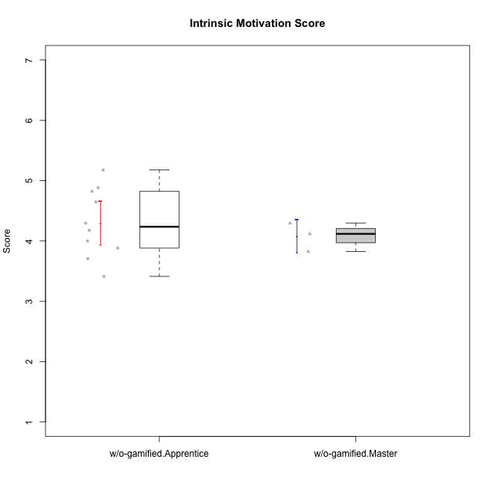

Student's t-Test data
UserID | Type | CLGroup | CLRole | PlayerRole | NroUSP | Item09IE | Item21IE | Item08IE | Item11IE | Item24IE | Item12IE | Item05PC | Item18PC | Item20PC | Item13PC | Item03PC | Item06PT | Item02PT | Item04PT | Item19EI | Item01EI | Item22EI | Item20A | Item25A | Item18A | Item07A | Item04A | Item01S | Item02S | Item09R | Item06R | Item12R | Interest/Enjoyment | Perceived Choice | Pressure/Tension | Effort/Importance | Attention | Relevance | Satisfaction | Intrinsic Motivation | Level of Motivation
10174 | w/o-gamified | Grupo7 | Master |  | 10276852 | 4 | 4 | 6 | 4 | 6 | 3 | 4 | 3 | 4 | 4 | 4 | 6 | 4 | 5 | 2 | 5 | 4 | 4 | 4 | 5 | 6 | 5 | 6 | 5 | 6 | 5 | 4 | 4.5 | 4.2 | 5 | 4.3333333333 | 4.8 | 3 | 5.5 | 4.1176470588 | 4.4
10179 | w/o-gamified | Grupo10 | Master |  | 10310759 | 3 | 4 | 3 | 2 | 4 | 6 | 6 | 5 | 4 | 5 | 7 | 2 | 1 | 1 | 1 | 2 | 5 | 4 | 4 | 4 | 2 | 5 | 3 | 4 | 4 | 2 | 4 | 3.6666666667 | 2.6 | 1.3333333333 | 6 | 3.8 | 4.6666666667 | 3.5 | 4.2941176471 | 4
10183 | w/o-gamified | Grupo3 | Apprentice |  | 10352030 | 3 | 3 | 3 | 3 | 2 | 3 | 4 | 3 | 5 | 2 | 4 | 5 | 4 | 4 | 3 | 4 | 4 | 2 | 2 | 2 | 2 | 3 | 2 | 2 | 5 | 2 | 3 | 2.8333333333 | 4.4 | 4.3333333333 | 4.3333333333 | 2.2 | 4 | 2 | 3.7058823529 | 2.7
10184 | w/o-gamified | Grupo10 | Apprentice |  | 10276675 | 4 | 3 | 4 | 4 | 4 | 4 | 5 | 4 | 4 | 3 | 4 | 4 | 4 | 3 | 4 | 4 | 4 | 4 | 4 | 4 | 2 | 4 | 6 | 4 | 4 | 4 | 4 | 3.8333333333 | 4 | 3.6666666667 | 4 | 3.6 | 4 | 5 | 4 | 4
10185 | w/o-gamified | Grupo9 | Apprentice |  | 10276960 | 4 | 3 | 6 | 5 | 6 | 5 | 6 | 6 | 3 | 5 | 3 | 5 | 4 | 4 | 3 | 4 | 5 | 3 | 5 | 3 | 4 | 2 | 4 | 5 | 5 | 3 | 3 | 4.8333333333 | 3.4 | 4.3333333333 | 4.6666666667 | 3.4 | 3.6666666667 | 4.5 | 4.1764705882 | 3.7
10191 | w/o-gamified | Grupo1 | Master |  | 10276981 | 3 | 2 | 3 | 3 | 2 | 1 | 5 | 4 | 5 | 5 | 5 | 1 | 1 | 1 | 4 | 2 | 4 | 2 | 4 | 2 | 4 | 4 | 4 | 4 | 3 | 2 | 3 | 2.3333333333 | 3.2 | 1 | 4.6666666667 | 3.2 | 4.6666666667 | 4 | 3.8235294118 | 3.8
10197 | w/o-gamified | Grupo8 | Apprentice |  | 10276661 | 3 | 2 | 5 | 5 | 2 | 4 | 3 | 2 | 4 | 4 | 2 | 5 | 3 | 3 | 3 | 3 | 4 | 4 | 4 | 7 | 5 | 4 | 4 | 4 | 5 | 4 | 4 | 3.5 | 5 | 3.6666666667 | 4.6666666667 | 4.8 | 3.6666666667 | 4 | 4.2941176471 | 4.3
10201 | w/o-gamified | Grupo11 | Apprentice |  | 10276928 | 5 | 6 | 6 | 5 | 3 | 6 | 3 | 4 | 4 | 3 | 5 | 4 | 3 | 2 | 3 | 3 | 5 | 6 | 5 | 6 | 6 | 4 | 6 | 5 | 4 | 2 | 6 | 5.1666666667 | 4.2 | 3 | 5 | 5.4 | 5.3333333333 | 5.5 | 4.8235294118 | 5.4
10206 | w/o-gamified | Grupo8 | Apprentice |  | 10310721 | 4 | 5 | 4 | 2 | 4 | 3 | 2 | 2 | 2 | 3 | 3 | 3 | 3 | 2 | 2 | 2 | 5 | 4 | 6 | 4 | 4 | 5 | 5 | 5 | 3 | 2 | 6 | 3.6666666667 | 5.6 | 2.6666666667 | 5.6666666667 | 4.6 | 5.6666666667 | 5 | 4.8823529412 | 5
10213 | w/o-gamified | Grupo7 | Apprentice |  | 10277040 | 3 | 4 | 4 | 7 | 4 | 1 | 7 | 7 | 7 | 7 | 7 | 7 | 1 | 7 | 1 | 1 | 7 | 7 | 7 | 5 | 7 | 7 | 7 | 4 | 2 | 1 | 4 | 3.8333333333 | 1 | 5 | 7 | 6.6 | 5.6666666667 | 5.5 | 3.4117647059 | 6.1
10217 | w/o-gamified | Grupo9 | Apprentice |  | 9805341 | 5 | 5 | 5 | 3 | 4 | 4 | 5 | 4 | 2 | 4 | 4 | 1 | 1 | 1 | 4 | 3 | 2 | 4 | 4 | 3 | 4 | 5 | 4 | 4 | 3 | 3 | 6 | 4.3333333333 | 4.2 | 1 | 3.6666666667 | 4 | 5.3333333333 | 4 | 4.6470588235 | 4.4
10218 | w/o-gamified | Grupo10 | Apprentice |  | 9842913 | 4 | 4 | 4 | 4 | 4 | 4 | 5 | 5 | 4 | 4 | 4 | 4 | 4 | 5 | 4 | 4 | 5 | 4 | 4 | 3 | 5 | 3 | 4 | 3 | 3 | 4 | 4 | 4 | 3.6 | 4.3333333333 | 4.3333333333 | 3.8 | 4.3333333333 | 3.5 | 3.8823529412 | 3.9
10232 | w/o-gamified | Grupo7 | Apprentice |  | 10276974 | 4 | 4 | 5 | 5 | 5 | 4 | 3 | 4 | 4 | 3 | 3 | 2 | 2 | 2 | 1 | 1 | 6 | 4 | 6 | 4 | 5 | 6 | 6 | 5 | 2 | 1 | 7 | 4.5 | 4.6 | 2 | 6.6666666667 | 5 | 6.6666666667 | 5.5 | 5.1764705882 | 5.6

