Assumptions
ANOVA assumptions for Level of Motivation Score

Shapiro-Wilk normality test for Level of Motivation Score
W | p.value
0.98086676959 | 0.79967915117

Plots for normality test
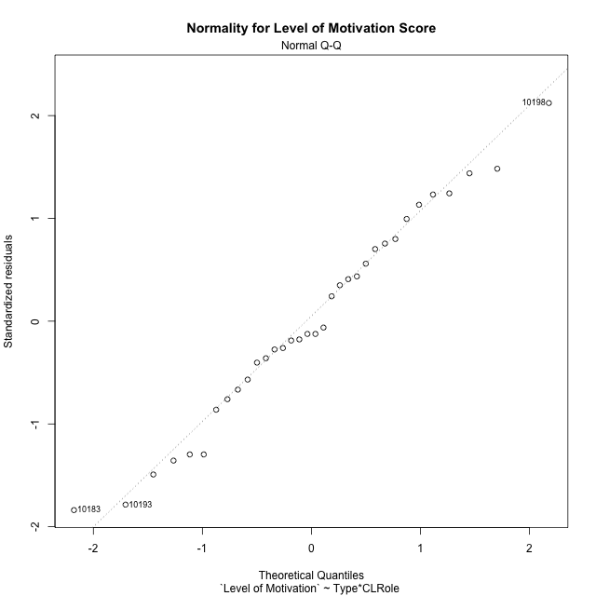

Levene's Test for Homogeneity of Variance in Level of Motivation Score
Df | F value | Pr(>F)
3 | 2.3162021787 | 0.095733769065
30

Plots for homogeneity of variance
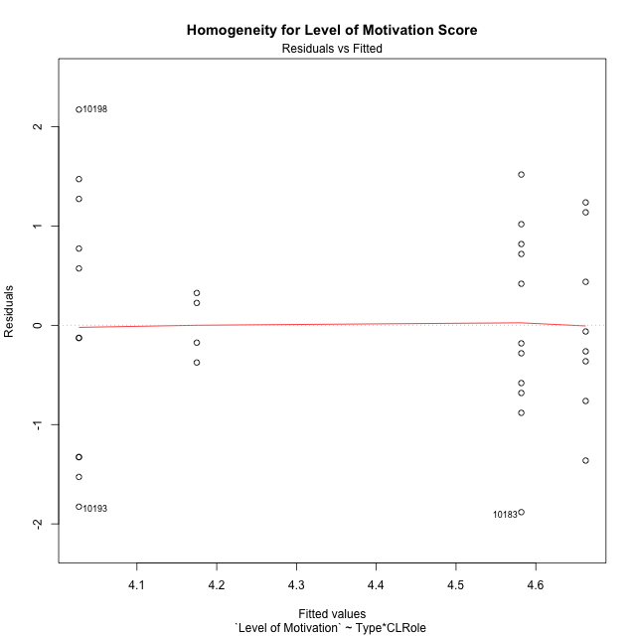

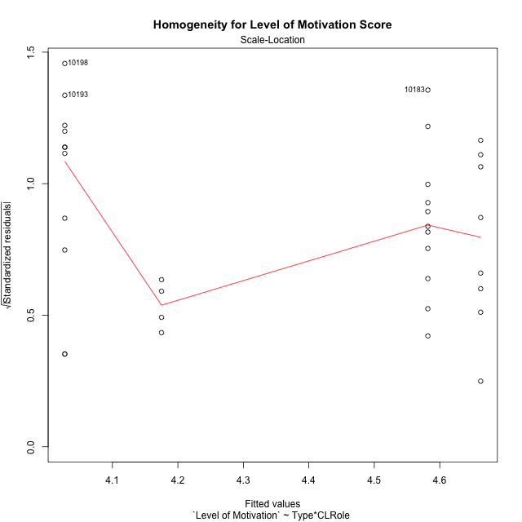

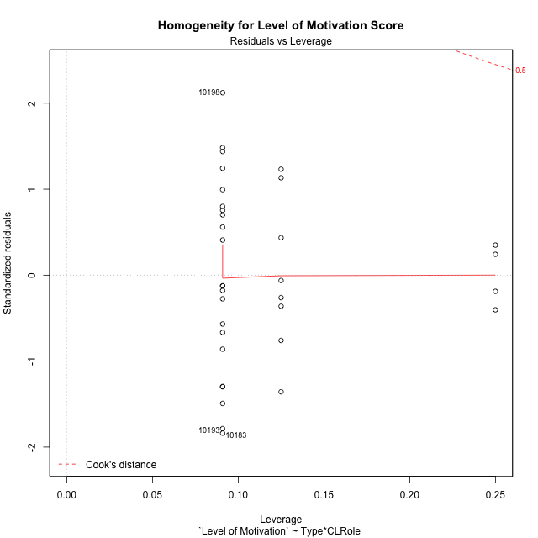

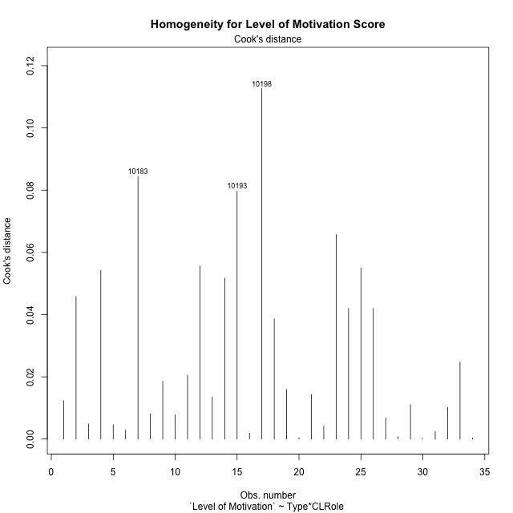

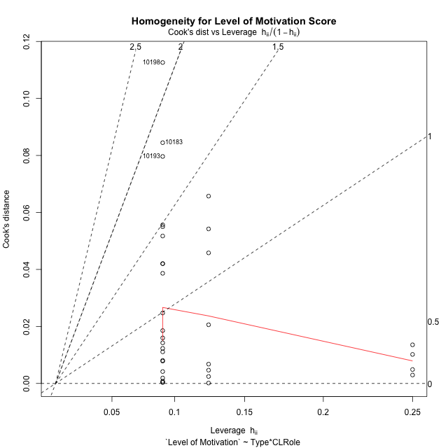

Minimum Sample Size Test for Level of Motivation Score
Type | CLRole | Freq
ont-gamified | Apprentice | 11
w/o-gamified | Apprentice | 11
ont-gamified | Master | 8
w/o-gamified | Master | 4

Errors and Warnings in Sample Size Test for ANOVA in Level of Motivation Score
code | description
WARN: sample.size | current size is 11 and recommended size is 15 for the group: 'ont-gamified:Apprentice'.
WARN: sample.size | current size is 11 and recommended size is 15 for the group: 'w/o-gamified:Apprentice'.
WARN: sample.size | current size is 8 and recommended size is 15 for the group: 'ont-gamified:Master'.
FAIL: min.size | current size is 4 but the minimal recomended size is 5 for the group: 'w/o-gamified:Master'.

For the group: 'ont-gamified:Apprentice', we recommend the use of non-parametric test. For the group: 'w/o-gamified:Apprentice', we recommend the use of non-parametric test. For the group: 'ont-gamified:Master', we recommend the use of non-parametric test. For the group: 'w/o-gamified:Master', we recommend the use of non-parametric test.

Post-hoc
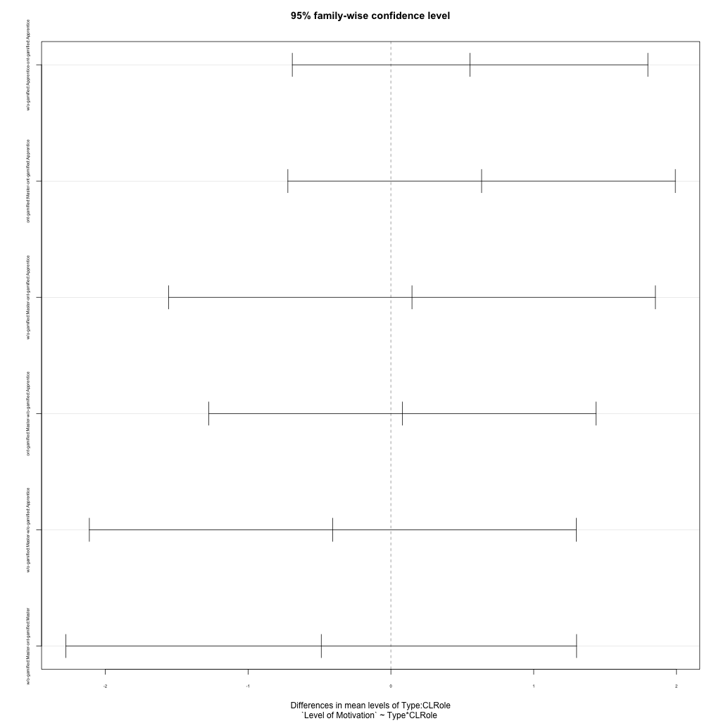
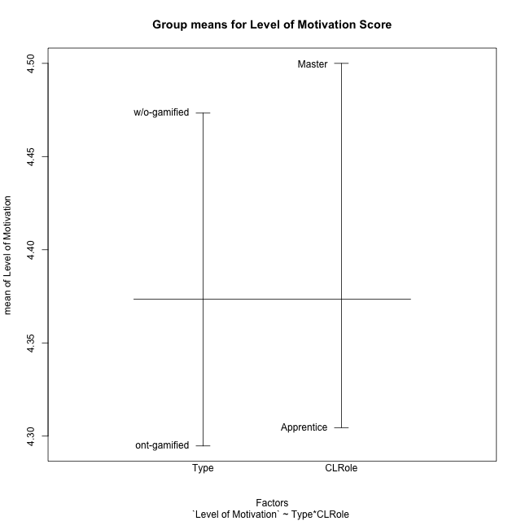
Post-hoc Tukey Honestly Significant Difference (HSD) Test for Level of Motivation Score

Comparisons of means for Type
 | diff | lwr | upr | p adj
w/o-gamified-ont-gamified | 0.17859649123 | -0.57877752933 | 0.93597051178 | 0.63359274703

Comparisons of means for CLRole
 | diff | lwr | upr | p adj
Master-Apprentice | 0.22522062733 | -0.56169989299 | 1.0121411476 | 0.56324838742

Comparisons of means for Type:CLRole
 | diff | lwr | upr | p adj
w/o-gamified:Apprentice-ont-gamified:Apprentice | 0.55454545455 | -0.69032748745 | 1.7994183965 | 0.6246820047
ont-gamified:Master-ont-gamified:Apprentice | 0.63522727273 | -0.7213415652 | 1.9917961107 | 0.58653283515
w/o-gamified:Master-ont-gamified:Apprentice | 0.14772727273 | -1.5568852062 | 1.8523397516 | 0.99529242621
ont-gamified:Master-w/o-gamified:Apprentice | 0.080681818182 | -1.2758870197 | 1.4372506561 | 0.99845996428
w/o-gamified:Master-w/o-gamified:Apprentice | -0.40681818182 | -2.1114306607 | 1.2977942971 | 0.9150923625
w/o-gamified:Master-ont-gamified:Master | -0.4875 | -2.2753126506 | 1.3003126506 | 0.87954391192

Contrast Matrices for Level of Motivation Score - Type
contrast | estimate | SE | df | t.ratio | p.value
ont-gamified - w/o-gamified | -0.033522727273 | 0.40059581089 | 30 | -0.08368217131 | 0.93386504366

Contrast Matrices for Level of Motivation Score - Type:CLRole
contrast | CLRole | estimate | SE | df | t.ratio | p.value
ont-gamified - w/o-gamified | Apprentice | -0.55454545455 | 0.45782378387 | 30 | -1.2112639712 | 0.23524965645
ont-gamified - w/o-gamified | Master | 0.4875 | 0.65749935188 | 30 | 0.74144559778 | 0.46418835155

Least Squares Means and Confidence Intervals for Type
Type | lsmean | SE | df | lower.CL | upper.CL | Pairs
ont-gamified | 4.3448863636 | 0.24945095098 | 30 | 3.8354395572 | 4.85433317 | ont-gamified
w/o-gamified | 4.3784090909 | 0.31345051724 | 30 | 3.7382577331 | 5.0185604487 | w/o-gamified

Least Squares Means and Confidence Intervals for Type:CLRole
Type | CLRole | lsmean | SE | df | lower.CL | upper.CL | Pairs
ont-gamified | Apprentice | 4.0272727273 | 0.32373030217 | 30 | 3.3661272479 | 4.6884182067 | ont-gamified.Apprentice
w/o-gamified | Apprentice | 4.5818181818 | 0.32373030217 | 30 | 3.9206727024 | 5.2429636612 | w/o-gamified.Apprentice
ont-gamified | Master | 4.6625 | 0.3796074278 | 30 | 3.887238206 | 5.437761794 | ont-gamified.Master
w/o-gamified | Master | 4.175 | 0.53684597278 | 30 | 3.0786142565 | 5.2713857435 | w/o-gamified.Master

Plots

Type_1
Student's t-Test for Level of Motivation Score in Type between ont-gamified:w/o-gamified

Student's t-Test results
Alternative hypothesis: less
Group | N | Mean | Mean.Difference | Std.deviation | Std.error | CI.lower | CI.upper | df | t.value | p.value | g | magnitude
ont-gamified | 19 | 4.2947368421 | -0.17859649123 | 1.2062216878 | 0.27672623373 | 3.7412843746 | 4.8481893096 | 31.824275027 | -0.49965181061 | 0.3103787056 | -0.16230221358 | negligible
w/o-gamified | 15 | 4.4733333333 | 0.17859649123 | 0.87624741016 | 0.22624610845 | 4.0208411164 | 4.9258255502 | 31.824275027 | -0.49965181061 | 0.3103787056 | -0.16230221358 | negligible
Alternative hypothesis: greater
Group | N | Mean | Mean.Difference | Std.deviation | Std.error | CI.lower | CI.upper | df | t.value | p.value | g | magnitude
ont-gamified | 19 | 4.2947368421 | -0.17859649123 | 1.2062216878 | 0.27672623373 | 3.7412843746 | 4.8481893096 | 31.824275027 | -0.49965181061 | 0.6896212944 | -0.16230221358 | negligible
w/o-gamified | 15 | 4.4733333333 | 0.17859649123 | 0.87624741016 | 0.22624610845 | 4.0208411164 | 4.9258255502 | 31.824275027 | -0.49965181061 | 0.6896212944 | -0.16230221358 | negligible
Alternative hypothesis: two.sided
Group | N | Mean | Mean.Difference | Std.deviation | Std.error | CI.lower | CI.upper | df | t.value | p.value | g | magnitude
ont-gamified | 19 | 4.2947368421 | -0.17859649123 | 1.2062216878 | 0.27672623373 | 3.7412843746 | 4.8481893096 | 31.824275027 | -0.49965181061 | 0.62075741121 | -0.16230221358 | negligible
w/o-gamified | 15 | 4.4733333333 | 0.17859649123 | 0.87624741016 | 0.22624610845 | 4.0208411164 | 4.9258255502 | 31.824275027 | -0.49965181061 | 0.62075741121 | -0.16230221358 | negligible

Box plots for Student's t-Test
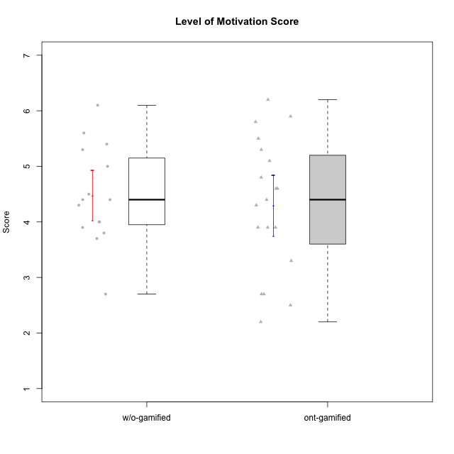

Student's t-Test data
UserID | Type | CLGroup | CLRole | PlayerRole | NroUSP | Item09IE | Item21IE | Item08IE | Item11IE | Item24IE | Item12IE | Item05PC | Item18PC | Item20PC | Item13PC | Item03PC | Item06PT | Item02PT | Item04PT | Item19EI | Item01EI | Item22EI | Item20A | Item25A | Item18A | Item07A | Item04A | Item01S | Item02S | Item09R | Item06R | Item12R | Interest/Enjoyment | Perceived Choice | Pressure/Tension | Effort/Importance | Attention | Relevance | Satisfaction | Intrinsic Motivation | Level of Motivation
10170 | w/o-gamified | Grupo11 | Apprentice |  | 10260351 | 4 | 4 | 6 | 4 | 4 | 3 | 2 | 1 | 3 | 2 | 3 | 1 | 1 | 1 | 3 | 3 | 5 | 6 | 5 | 6 | 5 | 4 | 4 | 4 | 2 | 1 | 6 | 4.1666666667 | 5.8 | 1 | 5 | 5.2 | 6.3333333333 | 4 | 5.2941176471 | 5.3
10171 | ont-gamified | Mafia | Master | Social Achiever | 698531 | 6 | 7 | 6 | 6 | 5 | 5 | 2 | 2 | 1 | 2 | 2 | 1 | 2 | 2 | 1 | 1 | 6 | 6 | 5 | 6 | 5 | 5 | 6 | 6 | 2 | 2 | 7 | 5.8333333333 | 6.2 | 1.6666666667 | 6.6666666667 | 5.4 | 6.3333333333 | 6 | 6.1764705882 | 5.8
10174 | w/o-gamified | Grupo7 | Master |  | 10276852 | 4 | 4 | 6 | 4 | 6 | 3 | 4 | 3 | 4 | 4 | 4 | 6 | 4 | 5 | 2 | 5 | 4 | 4 | 4 | 5 | 6 | 5 | 6 | 5 | 6 | 5 | 4 | 4.5 | 4.2 | 5 | 4.3333333333 | 4.8 | 3 | 5.5 | 4.1176470588 | 4.4
10175 | ont-gamified | Warriors | Master | Social Achiever | 10310700 | 4 | 4 | 4 | 4 | 4 | 4 | 1 | 1 | 1 | 1 | 3 | 1 | 1 | 1 | 1 | 1 | 4 | 5 | 5 | 5 | 6 | 6 | 6 | 6 | 2 | 1 | 7 | 4 | 6.6 | 1 | 6 | 5.4 | 6.6666666667 | 6 | 5.6470588235 | 5.9
10176 | ont-gamified | Outlaws | Master | Social Achiever | 10276949 | 4 | 4 | 4 | 4 | 4 | 3 | 4 | 5 | 4 | 6 | 4 | 6 | 4 | 6 | 5 | 4 | 4 | 5 | 5 | 5 | 4 | 4 | 4 | 4 | 4 | 4 | 4 | 3.8333333333 | 3.4 | 5.3333333333 | 3.6666666667 | 4.6 | 4 | 4 | 3.4705882353 | 4.3
10179 | w/o-gamified | Grupo10 | Master |  | 10310759 | 3 | 4 | 3 | 2 | 4 | 6 | 6 | 5 | 4 | 5 | 7 | 2 | 1 | 1 | 1 | 2 | 5 | 4 | 4 | 4 | 2 | 5 | 3 | 4 | 4 | 2 | 4 | 3.6666666667 | 2.6 | 1.3333333333 | 6 | 3.8 | 4.6666666667 | 3.5 | 4.2941176471 | 4
10183 | w/o-gamified | Grupo3 | Apprentice |  | 10352030 | 3 | 3 | 3 | 3 | 2 | 3 | 4 | 3 | 5 | 2 | 4 | 5 | 4 | 4 | 3 | 4 | 4 | 2 | 2 | 2 | 2 | 3 | 2 | 2 | 5 | 2 | 3 | 2.8333333333 | 4.4 | 4.3333333333 | 4.3333333333 | 2.2 | 4 | 2 | 3.7058823529 | 2.7
10184 | w/o-gamified | Grupo10 | Apprentice |  | 10276675 | 4 | 3 | 4 | 4 | 4 | 4 | 5 | 4 | 4 | 3 | 4 | 4 | 4 | 3 | 4 | 4 | 4 | 4 | 4 | 4 | 2 | 4 | 6 | 4 | 4 | 4 | 4 | 3.8333333333 | 4 | 3.6666666667 | 4 | 3.6 | 4 | 5 | 4 | 4
10185 | w/o-gamified | Grupo9 | Apprentice |  | 10276960 | 4 | 3 | 6 | 5 | 6 | 5 | 6 | 6 | 3 | 5 | 3 | 5 | 4 | 4 | 3 | 4 | 5 | 3 | 5 | 3 | 4 | 2 | 4 | 5 | 5 | 3 | 3 | 4.8333333333 | 3.4 | 4.3333333333 | 4.6666666667 | 3.4 | 3.6666666667 | 4.5 | 4.1764705882 | 3.7
10186 | ont-gamified | Slayers | Apprentice | Social Achiever | 10310551 | 4 | 3 | 6 | 6 | 3 | 1 | 4 | 4 | 1 | 4 | 4 | 4 | 5 | 4 | 1 | 1 | 7 | 4 | 1 | 4 | 1 | 4 | 7 | 7 | 3 | 1 | 6 | 3.8333333333 | 4.6 | 4.3333333333 | 7 | 2.8 | 6 | 7 | 4.5882352941 | 4.6
10188 | ont-gamified | Vandals | Master | Yee Achiever | 10276995 | 3 | 3 | 4 | 1 | 3 | 4 | 1 | 1 | 1 | 3 | 3 | 1 | 1 | 1 | 3 | 2 | 1 | 3 | 4 | 4 | 2 | 4 | 3 | 3 | 2 | 2 | 4 | 3 | 6.2 | 1 | 4 | 3.4 | 5.3333333333 | 3 | 4.8235294118 | 3.9
10189 | ont-gamified | Vikings | Apprentice | Social Achiever | 9363926 | 2 | 2 | 4 | 1 | 2 | 1 | 5 | 4 | 4 | 5 | 5 | 2 | 1 | 1 | 3 | 1 | 6 | 1 | 1 | 2 | 1 | 2 | 3 | 2 | 6 | 1 | 4 | 2 | 3.4 | 1.3333333333 | 6 | 1.4 | 4.3333333333 | 2.5 | 3.9411764706 | 2.5
10191 | w/o-gamified | Grupo1 | Master |  | 10276981 | 3 | 2 | 3 | 3 | 2 | 1 | 5 | 4 | 5 | 5 | 5 | 1 | 1 | 1 | 4 | 2 | 4 | 2 | 4 | 2 | 4 | 4 | 4 | 4 | 3 | 2 | 3 | 2.3333333333 | 3.2 | 1 | 4.6666666667 | 3.2 | 4.6666666667 | 4 | 3.8235294118 | 3.8
10192 | ont-gamified | Attractive Devils | Apprentice | Social Achiever | 10276682 | 4 | 5 | 4 | 6 | 1 | 4 | 2 | 4 | 4 | 3 | 3 | 4 | 4 | 4 | 5 | 1 | 5 | 4 | 4 | 4 | 7 | 5 | 7 | 6 | 1 | 2 | 5 | 4 | 4.8 | 4 | 5 | 4.8 | 6 | 6.5 | 4.4117647059 | 5.5
10193 | ont-gamified | Vandals | Apprentice | Yee Achiever | 10276762 | 2 | 1 | 1 | 1 | 2 | 1 | 1 | 1 | 1 | 1 | 1 | 2 | 1 | 1 | 2 | 1 | 2 | 2 | 1 | 2 | 1 | 1 | 1 | 2 | 1 | 4 | 1 | 1.3333333333 | 7 | 1.3333333333 | 5 | 1.4 | 4 | 1.5 | 4.5882352941 | 2.2
10197 | w/o-gamified | Grupo8 | Apprentice |  | 10276661 | 3 | 2 | 5 | 5 | 2 | 4 | 3 | 2 | 4 | 4 | 2 | 5 | 3 | 3 | 3 | 3 | 4 | 4 | 4 | 7 | 5 | 4 | 4 | 4 | 5 | 4 | 4 | 3.5 | 5 | 3.6666666667 | 4.6666666667 | 4.8 | 3.6666666667 | 4 | 4.2941176471 | 4.3
10198 | ont-gamified | Attractive Devils | Apprentice | Social Achiever | 10310888 | 6 | 3 | 4 | 4 | 2 | 5 | 4 | 6 | 6 | 5 | 1 | 4 | 4 | 4 | 3 | 2 | 6 | 6 | 5 | 5 | 7 | 7 | 7 | 7 | 2 | 1 | 5 | 4 | 3.6 | 4 | 5.6666666667 | 6 | 6 | 7 | 4.1764705882 | 6.2
10200 | ont-gamified | Warriors | Apprentice | Social Achiever | 9795272 | 4 | 5 | 5 | 5 | 5 | 3 | 4 | 2 | 2 | 5 | 3 | 4 | 5 | 5 | 1 | 1 | 6 | 4 | 5 | 4 | 6 | 5 | 5 | 6 | 3 | 1 | 6 | 4.5 | 4.8 | 4.6666666667 | 6.6666666667 | 4.8 | 6 | 5.5 | 4.7647058824 | 5.3
10201 | w/o-gamified | Grupo11 | Apprentice |  | 10276928 | 5 | 6 | 6 | 5 | 3 | 6 | 3 | 4 | 4 | 3 | 5 | 4 | 3 | 2 | 3 | 3 | 5 | 6 | 5 | 6 | 6 | 4 | 6 | 5 | 4 | 2 | 6 | 5.1666666667 | 4.2 | 3 | 5 | 5.4 | 5.3333333333 | 5.5 | 4.8235294118 | 5.4
10202 | ont-gamified | Silly Knights | Apprentice | Social Achiever | 10277036 | 3 | 3 | 3 | 3 | 3 | 3 | 2 | 5 | 2 | 2 | 3 | 3 | 3 | 3 | 2 | 2 | 5 | 2 | 3 | 2 | 2 | 4 | 5 | 5 | 3 | 2 | 5 | 3 | 5.2 | 3 | 5.6666666667 | 2.6 | 5.3333333333 | 5 | 4.4705882353 | 3.9
10203 | ont-gamified | Mercenaries | Apprentice | Social Achiever | 9921470 | 5 | 4 | 3 | 4 | 4 | 5 | 1 | 1 | 1 | 1 | 4 | 1 | 2 | 5 | 1 | 1 | 6 | 7 | 5 | 4 | 6 | 4 | 5 | 7 | 4 | 6 | 4 | 4.1666666667 | 6.4 | 2.6666666667 | 6.6666666667 | 5.2 | 3.3333333333 | 6 | 5.4705882353 | 4.8
10206 | w/o-gamified | Grupo8 | Apprentice |  | 10310721 | 4 | 5 | 4 | 2 | 4 | 3 | 2 | 2 | 2 | 3 | 3 | 3 | 3 | 2 | 2 | 2 | 5 | 4 | 6 | 4 | 4 | 5 | 5 | 5 | 3 | 2 | 6 | 3.6666666667 | 5.6 | 2.6666666667 | 5.6666666667 | 4.6 | 5.6666666667 | 5 | 4.8823529412 | 5
10208 | ont-gamified | Mercenaries | Master | Social Achiever | 10276932 | 4 | 4 | 4 | 4 | 4 | 3 | 2 | 4 | 2 | 4 | 4 | 2 | 2 | 2 | 2 | 2 | 4 | 2 | 2 | 2 | 3 | 3 | 5 | 5 | 5 | 3 | 3 | 3.8333333333 | 4.8 | 2 | 5.3333333333 | 2.4 | 3.6666666667 | 5 | 4.7647058824 | 3.3
10209 | ont-gamified | Mafia | Apprentice | Social Achiever | 10262669 | 2 | 2 | 2 | 4 | 2 | 2 | 7 | 7 | 7 | 7 | 7 | 1 | 2 | 1 | 3 | 2 | 2 | 1 | 2 | 2 | 2 | 3 | 2 | 2 | 4 | 3 | 4 | 2.3333333333 | 1 | 1.3333333333 | 4.3333333333 | 2 | 4.3333333333 | 2 | 3.0588235294 | 2.7
10213 | w/o-gamified | Grupo7 | Apprentice |  | 10277040 | 3 | 4 | 4 | 7 | 4 | 1 | 7 | 7 | 7 | 7 | 7 | 7 | 1 | 7 | 1 | 1 | 7 | 7 | 7 | 5 | 7 | 7 | 7 | 4 | 2 | 1 | 4 | 3.8333333333 | 1 | 5 | 7 | 6.6 | 5.6666666667 | 5.5 | 3.4117647059 | 6.1
10214 | ont-gamified | Vikings | Apprentice | Social Achiever | 10277022 | 1 | 1 | 2 | 1 | 1 | 1 | 2 | 7 | 6 | 6 | 6 | 4 | 5 | 1 | 1 | 1 | 7 | 1 | 2 | 1 | 1 | 4 | 3 | 4 | 5 | 2 | 2 | 1.1666666667 | 2.6 | 3.3333333333 | 7 | 1.8 | 3.6666666667 | 3.5 | 3.2352941176 | 2.7
10216 | ont-gamified | Silly Knights | Master | Social Achiever | 10276720 | 5 | 4 | 4 | 3 | 5 | 7 | 2 | 1 | 3 | 2 | 3 | 1 | 1 | 1 | 2 | 1 | 4 | 5 | 6 | 4 | 2 | 4 | 5 | 5 | 2 | 1 | 7 | 4.6666666667 | 5.8 | 1 | 5.6666666667 | 4.2 | 6.6666666667 | 5 | 5.5882352941 | 5.1
10217 | w/o-gamified | Grupo9 | Apprentice |  | 9805341 | 5 | 5 | 5 | 3 | 4 | 4 | 5 | 4 | 2 | 4 | 4 | 1 | 1 | 1 | 4 | 3 | 2 | 4 | 4 | 3 | 4 | 5 | 4 | 4 | 3 | 3 | 6 | 4.3333333333 | 4.2 | 1 | 3.6666666667 | 4 | 5.3333333333 | 4 | 4.6470588235 | 4.4
10218 | w/o-gamified | Grupo10 | Apprentice |  | 9842913 | 4 | 4 | 4 | 4 | 4 | 4 | 5 | 5 | 4 | 4 | 4 | 4 | 4 | 5 | 4 | 4 | 5 | 4 | 4 | 3 | 5 | 3 | 4 | 3 | 3 | 4 | 4 | 4 | 3.6 | 4.3333333333 | 4.3333333333 | 3.8 | 4.3333333333 | 3.5 | 3.8823529412 | 3.9
10223 | ont-gamified | Slayers | Master | Social Achiever | 9795185 | 5 | 5 | 6 | 4 | 5 | 5 | 4 | 3 | 4 | 4 | 4 | 2 | 4 | 4 | 4 | 4 | 4 | 4 | 4 | 3 | 4 | 4 | 4 | 5 | 2 | 3 | 7 | 5 | 4.2 | 3.3333333333 | 4 | 3.8 | 6 | 4.5 | 4.5294117647 | 4.6
10230 | ont-gamified | Resistance | Master | Social Achiever | 10351992 | 4 | 5 | 5 | 4 | 5 | 4 | 4 | 3 | 5 | 3 | 5 | 6 | 5 | 4 | 2 | 3 | 5 | 2 | 4 | 3 | 6 | 6 | 4 | 6 | 3 | 4 | 4 | 4.5 | 4 | 5 | 5.3333333333 | 4.2 | 4.3333333333 | 5 | 4.2352941176 | 4.4
10231 | w/o-gamified | Grupo9 | Master |  | 10276911 | 4 | 4 | 4 | 4 | 5 | 6 | 1 | 2 | 2 | 2 | 1 | 1 | 1 | 1 | 4 | 3 | 1 | 4 | 4 | 4 | 4 | 4 | 7 | 5 | 4 | 4 | 5 | 4.5 | 6.4 | 1 | 3.3333333333 | 4 | 4.3333333333 | 6 | 5.2941176471 | 4.5
10232 | w/o-gamified | Grupo7 | Apprentice |  | 10276974 | 4 | 4 | 5 | 5 | 5 | 4 | 3 | 4 | 4 | 3 | 3 | 2 | 2 | 2 | 1 | 1 | 6 | 4 | 6 | 4 | 5 | 6 | 6 | 5 | 2 | 1 | 7 | 4.5 | 4.6 | 2 | 6.6666666667 | 5 | 6.6666666667 | 5.5 | 5.1764705882 | 5.6
10237 | ont-gamified | Outlaws | Apprentice | Social Achiever | 10377688 | 3 | 5 | 3 | 3 | 6 | 4 | 3 | 3 | 4 | 3 | 6 | 4 | 6 | 5 | 4 | 2 | 5 | 3 | 3 | 4 | 5 | 3 | 3 | 4 | 4 | 3 | 5 | 4 | 4.2 | 5 | 5 | 3.6 | 4.6666666667 | 3.5 | 4.0588235294 | 3.9

Type_CLRole_1
Student's t-Test for Level of Motivation Score in Type:CLRole between ont-gamified.Apprentice:ont-gamified.Master

Student's t-Test results
Alternative hypothesis: less
Group | N | Mean | Mean.Difference | Std.deviation | Std.error | CI.lower | CI.upper | df | t.value | p.value | g | magnitude
ont-gamified.Apprentice | 11 | 4.0272727273 | -0.63522727273 | 1.3660826542 | 0.41188941788 | 3.2034938915 | 4.851051563 | 16.896710498 | -1.2209093053 | 0.1194421732 | -0.50730823167 | medium
ont-gamified.Master | 8 | 4.6625 | 0.63522727273 | 0.89910669953 | 0.31788222212 | 4.0267355558 | 5.2982644442 | 16.896710498 | -1.2209093053 | 0.1194421732 | -0.50730823167 | medium
Alternative hypothesis: greater
Group | N | Mean | Mean.Difference | Std.deviation | Std.error | CI.lower | CI.upper | df | t.value | p.value | g | magnitude
ont-gamified.Apprentice | 11 | 4.0272727273 | -0.63522727273 | 1.3660826542 | 0.41188941788 | 3.2034938915 | 4.851051563 | 16.896710498 | -1.2209093053 | 0.8805578268 | -0.50730823167 | medium
ont-gamified.Master | 8 | 4.6625 | 0.63522727273 | 0.89910669953 | 0.31788222212 | 4.0267355558 | 5.2982644442 | 16.896710498 | -1.2209093053 | 0.8805578268 | -0.50730823167 | medium
Alternative hypothesis: two.sided
Group | N | Mean | Mean.Difference | Std.deviation | Std.error | CI.lower | CI.upper | df | t.value | p.value | g | magnitude
ont-gamified.Apprentice | 11 | 4.0272727273 | -0.63522727273 | 1.3660826542 | 0.41188941788 | 3.2034938915 | 4.851051563 | 16.896710498 | -1.2209093053 | 0.2388843464 | -0.50730823167 | medium
ont-gamified.Master | 8 | 4.6625 | 0.63522727273 | 0.89910669953 | 0.31788222212 | 4.0267355558 | 5.2982644442 | 16.896710498 | -1.2209093053 | 0.2388843464 | -0.50730823167 | medium

Box plots for Student's t-Test
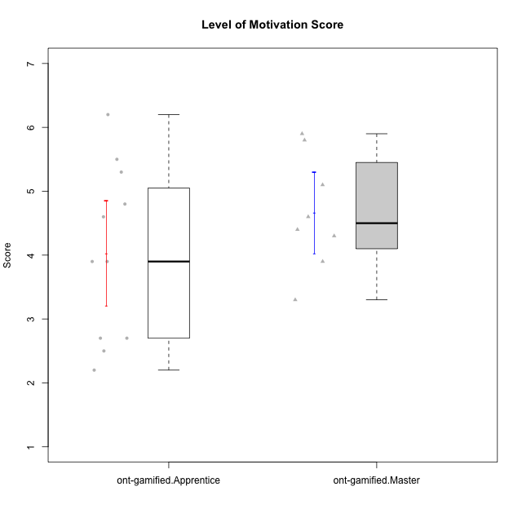

Student's t-Test data
UserID | Type | CLGroup | CLRole | PlayerRole | NroUSP | Item09IE | Item21IE | Item08IE | Item11IE | Item24IE | Item12IE | Item05PC | Item18PC | Item20PC | Item13PC | Item03PC | Item06PT | Item02PT | Item04PT | Item19EI | Item01EI | Item22EI | Item20A | Item25A | Item18A | Item07A | Item04A | Item01S | Item02S | Item09R | Item06R | Item12R | Interest/Enjoyment | Perceived Choice | Pressure/Tension | Effort/Importance | Attention | Relevance | Satisfaction | Intrinsic Motivation | Level of Motivation
10171 | ont-gamified | Mafia | Master | Social Achiever | 698531 | 6 | 7 | 6 | 6 | 5 | 5 | 2 | 2 | 1 | 2 | 2 | 1 | 2 | 2 | 1 | 1 | 6 | 6 | 5 | 6 | 5 | 5 | 6 | 6 | 2 | 2 | 7 | 5.8333333333 | 6.2 | 1.6666666667 | 6.6666666667 | 5.4 | 6.3333333333 | 6 | 6.1764705882 | 5.8
10175 | ont-gamified | Warriors | Master | Social Achiever | 10310700 | 4 | 4 | 4 | 4 | 4 | 4 | 1 | 1 | 1 | 1 | 3 | 1 | 1 | 1 | 1 | 1 | 4 | 5 | 5 | 5 | 6 | 6 | 6 | 6 | 2 | 1 | 7 | 4 | 6.6 | 1 | 6 | 5.4 | 6.6666666667 | 6 | 5.6470588235 | 5.9
10176 | ont-gamified | Outlaws | Master | Social Achiever | 10276949 | 4 | 4 | 4 | 4 | 4 | 3 | 4 | 5 | 4 | 6 | 4 | 6 | 4 | 6 | 5 | 4 | 4 | 5 | 5 | 5 | 4 | 4 | 4 | 4 | 4 | 4 | 4 | 3.8333333333 | 3.4 | 5.3333333333 | 3.6666666667 | 4.6 | 4 | 4 | 3.4705882353 | 4.3
10186 | ont-gamified | Slayers | Apprentice | Social Achiever | 10310551 | 4 | 3 | 6 | 6 | 3 | 1 | 4 | 4 | 1 | 4 | 4 | 4 | 5 | 4 | 1 | 1 | 7 | 4 | 1 | 4 | 1 | 4 | 7 | 7 | 3 | 1 | 6 | 3.8333333333 | 4.6 | 4.3333333333 | 7 | 2.8 | 6 | 7 | 4.5882352941 | 4.6
10188 | ont-gamified | Vandals | Master | Yee Achiever | 10276995 | 3 | 3 | 4 | 1 | 3 | 4 | 1 | 1 | 1 | 3 | 3 | 1 | 1 | 1 | 3 | 2 | 1 | 3 | 4 | 4 | 2 | 4 | 3 | 3 | 2 | 2 | 4 | 3 | 6.2 | 1 | 4 | 3.4 | 5.3333333333 | 3 | 4.8235294118 | 3.9
10189 | ont-gamified | Vikings | Apprentice | Social Achiever | 9363926 | 2 | 2 | 4 | 1 | 2 | 1 | 5 | 4 | 4 | 5 | 5 | 2 | 1 | 1 | 3 | 1 | 6 | 1 | 1 | 2 | 1 | 2 | 3 | 2 | 6 | 1 | 4 | 2 | 3.4 | 1.3333333333 | 6 | 1.4 | 4.3333333333 | 2.5 | 3.9411764706 | 2.5
10192 | ont-gamified | Attractive Devils | Apprentice | Social Achiever | 10276682 | 4 | 5 | 4 | 6 | 1 | 4 | 2 | 4 | 4 | 3 | 3 | 4 | 4 | 4 | 5 | 1 | 5 | 4 | 4 | 4 | 7 | 5 | 7 | 6 | 1 | 2 | 5 | 4 | 4.8 | 4 | 5 | 4.8 | 6 | 6.5 | 4.4117647059 | 5.5
10193 | ont-gamified | Vandals | Apprentice | Yee Achiever | 10276762 | 2 | 1 | 1 | 1 | 2 | 1 | 1 | 1 | 1 | 1 | 1 | 2 | 1 | 1 | 2 | 1 | 2 | 2 | 1 | 2 | 1 | 1 | 1 | 2 | 1 | 4 | 1 | 1.3333333333 | 7 | 1.3333333333 | 5 | 1.4 | 4 | 1.5 | 4.5882352941 | 2.2
10198 | ont-gamified | Attractive Devils | Apprentice | Social Achiever | 10310888 | 6 | 3 | 4 | 4 | 2 | 5 | 4 | 6 | 6 | 5 | 1 | 4 | 4 | 4 | 3 | 2 | 6 | 6 | 5 | 5 | 7 | 7 | 7 | 7 | 2 | 1 | 5 | 4 | 3.6 | 4 | 5.6666666667 | 6 | 6 | 7 | 4.1764705882 | 6.2
10200 | ont-gamified | Warriors | Apprentice | Social Achiever | 9795272 | 4 | 5 | 5 | 5 | 5 | 3 | 4 | 2 | 2 | 5 | 3 | 4 | 5 | 5 | 1 | 1 | 6 | 4 | 5 | 4 | 6 | 5 | 5 | 6 | 3 | 1 | 6 | 4.5 | 4.8 | 4.6666666667 | 6.6666666667 | 4.8 | 6 | 5.5 | 4.7647058824 | 5.3
10202 | ont-gamified | Silly Knights | Apprentice | Social Achiever | 10277036 | 3 | 3 | 3 | 3 | 3 | 3 | 2 | 5 | 2 | 2 | 3 | 3 | 3 | 3 | 2 | 2 | 5 | 2 | 3 | 2 | 2 | 4 | 5 | 5 | 3 | 2 | 5 | 3 | 5.2 | 3 | 5.6666666667 | 2.6 | 5.3333333333 | 5 | 4.4705882353 | 3.9
10203 | ont-gamified | Mercenaries | Apprentice | Social Achiever | 9921470 | 5 | 4 | 3 | 4 | 4 | 5 | 1 | 1 | 1 | 1 | 4 | 1 | 2 | 5 | 1 | 1 | 6 | 7 | 5 | 4 | 6 | 4 | 5 | 7 | 4 | 6 | 4 | 4.1666666667 | 6.4 | 2.6666666667 | 6.6666666667 | 5.2 | 3.3333333333 | 6 | 5.4705882353 | 4.8
10208 | ont-gamified | Mercenaries | Master | Social Achiever | 10276932 | 4 | 4 | 4 | 4 | 4 | 3 | 2 | 4 | 2 | 4 | 4 | 2 | 2 | 2 | 2 | 2 | 4 | 2 | 2 | 2 | 3 | 3 | 5 | 5 | 5 | 3 | 3 | 3.8333333333 | 4.8 | 2 | 5.3333333333 | 2.4 | 3.6666666667 | 5 | 4.7647058824 | 3.3
10209 | ont-gamified | Mafia | Apprentice | Social Achiever | 10262669 | 2 | 2 | 2 | 4 | 2 | 2 | 7 | 7 | 7 | 7 | 7 | 1 | 2 | 1 | 3 | 2 | 2 | 1 | 2 | 2 | 2 | 3 | 2 | 2 | 4 | 3 | 4 | 2.3333333333 | 1 | 1.3333333333 | 4.3333333333 | 2 | 4.3333333333 | 2 | 3.0588235294 | 2.7
10214 | ont-gamified | Vikings | Apprentice | Social Achiever | 10277022 | 1 | 1 | 2 | 1 | 1 | 1 | 2 | 7 | 6 | 6 | 6 | 4 | 5 | 1 | 1 | 1 | 7 | 1 | 2 | 1 | 1 | 4 | 3 | 4 | 5 | 2 | 2 | 1.1666666667 | 2.6 | 3.3333333333 | 7 | 1.8 | 3.6666666667 | 3.5 | 3.2352941176 | 2.7
10216 | ont-gamified | Silly Knights | Master | Social Achiever | 10276720 | 5 | 4 | 4 | 3 | 5 | 7 | 2 | 1 | 3 | 2 | 3 | 1 | 1 | 1 | 2 | 1 | 4 | 5 | 6 | 4 | 2 | 4 | 5 | 5 | 2 | 1 | 7 | 4.6666666667 | 5.8 | 1 | 5.6666666667 | 4.2 | 6.6666666667 | 5 | 5.5882352941 | 5.1
10223 | ont-gamified | Slayers | Master | Social Achiever | 9795185 | 5 | 5 | 6 | 4 | 5 | 5 | 4 | 3 | 4 | 4 | 4 | 2 | 4 | 4 | 4 | 4 | 4 | 4 | 4 | 3 | 4 | 4 | 4 | 5 | 2 | 3 | 7 | 5 | 4.2 | 3.3333333333 | 4 | 3.8 | 6 | 4.5 | 4.5294117647 | 4.6
10230 | ont-gamified | Resistance | Master | Social Achiever | 10351992 | 4 | 5 | 5 | 4 | 5 | 4 | 4 | 3 | 5 | 3 | 5 | 6 | 5 | 4 | 2 | 3 | 5 | 2 | 4 | 3 | 6 | 6 | 4 | 6 | 3 | 4 | 4 | 4.5 | 4 | 5 | 5.3333333333 | 4.2 | 4.3333333333 | 5 | 4.2352941176 | 4.4
10237 | ont-gamified | Outlaws | Apprentice | Social Achiever | 10377688 | 3 | 5 | 3 | 3 | 6 | 4 | 3 | 3 | 4 | 3 | 6 | 4 | 6 | 5 | 4 | 2 | 5 | 3 | 3 | 4 | 5 | 3 | 3 | 4 | 4 | 3 | 5 | 4 | 4.2 | 5 | 5 | 3.6 | 4.6666666667 | 3.5 | 4.0588235294 | 3.9

Type_CLRole_2
Student's t-Test for Level of Motivation Score in Type:CLRole between ont-gamified.Apprentice:w/o-gamified.Apprentice

Student's t-Test results
Alternative hypothesis: less
Group | N | Mean | Mean.Difference | Std.deviation | Std.error | CI.lower | CI.upper | df | t.value | p.value | g | magnitude
ont-gamified.Apprentice | 11 | 4.0272727273 | -0.55454545455 | 1.3660826542 | 0.41188941788 | 3.2034938915 | 4.851051563 | 18.296768544 | -1.0875876841 | 0.14544852906 | -0.4461382272 | small
w/o-gamified.Apprentice | 11 | 4.5818181818 | 0.55454545455 | 0.99681310366 | 0.30055045918 | 3.9807172635 | 5.1829191002 | 18.296768544 | -1.0875876841 | 0.14544852906 | -0.4461382272 | small
Alternative hypothesis: greater
Group | N | Mean | Mean.Difference | Std.deviation | Std.error | CI.lower | CI.upper | df | t.value | p.value | g | magnitude
ont-gamified.Apprentice | 11 | 4.0272727273 | -0.55454545455 | 1.3660826542 | 0.41188941788 | 3.2034938915 | 4.851051563 | 18.296768544 | -1.0875876841 | 0.85455147094 | -0.4461382272 | small
w/o-gamified.Apprentice | 11 | 4.5818181818 | 0.55454545455 | 0.99681310366 | 0.30055045918 | 3.9807172635 | 5.1829191002 | 18.296768544 | -1.0875876841 | 0.85455147094 | -0.4461382272 | small
Alternative hypothesis: two.sided
Group | N | Mean | Mean.Difference | Std.deviation | Std.error | CI.lower | CI.upper | df | t.value | p.value | g | magnitude
ont-gamified.Apprentice | 11 | 4.0272727273 | -0.55454545455 | 1.3660826542 | 0.41188941788 | 3.2034938915 | 4.851051563 | 18.296768544 | -1.0875876841 | 0.29089705812 | -0.4461382272 | small
w/o-gamified.Apprentice | 11 | 4.5818181818 | 0.55454545455 | 0.99681310366 | 0.30055045918 | 3.9807172635 | 5.1829191002 | 18.296768544 | -1.0875876841 | 0.29089705812 | -0.4461382272 | small

Box plots for Student's t-Test
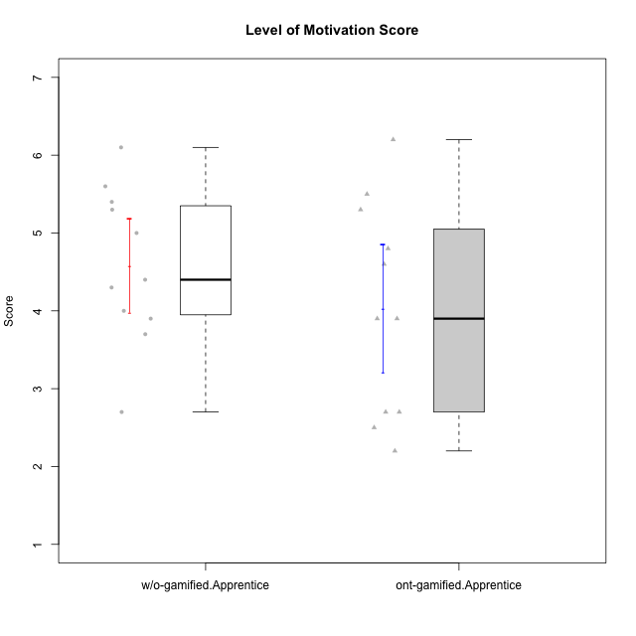

Student's t-Test data
UserID | Type | CLGroup | CLRole | PlayerRole | NroUSP | Item09IE | Item21IE | Item08IE | Item11IE | Item24IE | Item12IE | Item05PC | Item18PC | Item20PC | Item13PC | Item03PC | Item06PT | Item02PT | Item04PT | Item19EI | Item01EI | Item22EI | Item20A | Item25A | Item18A | Item07A | Item04A | Item01S | Item02S | Item09R | Item06R | Item12R | Interest/Enjoyment | Perceived Choice | Pressure/Tension | Effort/Importance | Attention | Relevance | Satisfaction | Intrinsic Motivation | Level of Motivation
10170 | w/o-gamified | Grupo11 | Apprentice |  | 10260351 | 4 | 4 | 6 | 4 | 4 | 3 | 2 | 1 | 3 | 2 | 3 | 1 | 1 | 1 | 3 | 3 | 5 | 6 | 5 | 6 | 5 | 4 | 4 | 4 | 2 | 1 | 6 | 4.1666666667 | 5.8 | 1 | 5 | 5.2 | 6.3333333333 | 4 | 5.2941176471 | 5.3
10183 | w/o-gamified | Grupo3 | Apprentice |  | 10352030 | 3 | 3 | 3 | 3 | 2 | 3 | 4 | 3 | 5 | 2 | 4 | 5 | 4 | 4 | 3 | 4 | 4 | 2 | 2 | 2 | 2 | 3 | 2 | 2 | 5 | 2 | 3 | 2.8333333333 | 4.4 | 4.3333333333 | 4.3333333333 | 2.2 | 4 | 2 | 3.7058823529 | 2.7
10184 | w/o-gamified | Grupo10 | Apprentice |  | 10276675 | 4 | 3 | 4 | 4 | 4 | 4 | 5 | 4 | 4 | 3 | 4 | 4 | 4 | 3 | 4 | 4 | 4 | 4 | 4 | 4 | 2 | 4 | 6 | 4 | 4 | 4 | 4 | 3.8333333333 | 4 | 3.6666666667 | 4 | 3.6 | 4 | 5 | 4 | 4
10185 | w/o-gamified | Grupo9 | Apprentice |  | 10276960 | 4 | 3 | 6 | 5 | 6 | 5 | 6 | 6 | 3 | 5 | 3 | 5 | 4 | 4 | 3 | 4 | 5 | 3 | 5 | 3 | 4 | 2 | 4 | 5 | 5 | 3 | 3 | 4.8333333333 | 3.4 | 4.3333333333 | 4.6666666667 | 3.4 | 3.6666666667 | 4.5 | 4.1764705882 | 3.7
10186 | ont-gamified | Slayers | Apprentice | Social Achiever | 10310551 | 4 | 3 | 6 | 6 | 3 | 1 | 4 | 4 | 1 | 4 | 4 | 4 | 5 | 4 | 1 | 1 | 7 | 4 | 1 | 4 | 1 | 4 | 7 | 7 | 3 | 1 | 6 | 3.8333333333 | 4.6 | 4.3333333333 | 7 | 2.8 | 6 | 7 | 4.5882352941 | 4.6
10189 | ont-gamified | Vikings | Apprentice | Social Achiever | 9363926 | 2 | 2 | 4 | 1 | 2 | 1 | 5 | 4 | 4 | 5 | 5 | 2 | 1 | 1 | 3 | 1 | 6 | 1 | 1 | 2 | 1 | 2 | 3 | 2 | 6 | 1 | 4 | 2 | 3.4 | 1.3333333333 | 6 | 1.4 | 4.3333333333 | 2.5 | 3.9411764706 | 2.5
10192 | ont-gamified | Attractive Devils | Apprentice | Social Achiever | 10276682 | 4 | 5 | 4 | 6 | 1 | 4 | 2 | 4 | 4 | 3 | 3 | 4 | 4 | 4 | 5 | 1 | 5 | 4 | 4 | 4 | 7 | 5 | 7 | 6 | 1 | 2 | 5 | 4 | 4.8 | 4 | 5 | 4.8 | 6 | 6.5 | 4.4117647059 | 5.5
10193 | ont-gamified | Vandals | Apprentice | Yee Achiever | 10276762 | 2 | 1 | 1 | 1 | 2 | 1 | 1 | 1 | 1 | 1 | 1 | 2 | 1 | 1 | 2 | 1 | 2 | 2 | 1 | 2 | 1 | 1 | 1 | 2 | 1 | 4 | 1 | 1.3333333333 | 7 | 1.3333333333 | 5 | 1.4 | 4 | 1.5 | 4.5882352941 | 2.2
10197 | w/o-gamified | Grupo8 | Apprentice |  | 10276661 | 3 | 2 | 5 | 5 | 2 | 4 | 3 | 2 | 4 | 4 | 2 | 5 | 3 | 3 | 3 | 3 | 4 | 4 | 4 | 7 | 5 | 4 | 4 | 4 | 5 | 4 | 4 | 3.5 | 5 | 3.6666666667 | 4.6666666667 | 4.8 | 3.6666666667 | 4 | 4.2941176471 | 4.3
10198 | ont-gamified | Attractive Devils | Apprentice | Social Achiever | 10310888 | 6 | 3 | 4 | 4 | 2 | 5 | 4 | 6 | 6 | 5 | 1 | 4 | 4 | 4 | 3 | 2 | 6 | 6 | 5 | 5 | 7 | 7 | 7 | 7 | 2 | 1 | 5 | 4 | 3.6 | 4 | 5.6666666667 | 6 | 6 | 7 | 4.1764705882 | 6.2
10200 | ont-gamified | Warriors | Apprentice | Social Achiever | 9795272 | 4 | 5 | 5 | 5 | 5 | 3 | 4 | 2 | 2 | 5 | 3 | 4 | 5 | 5 | 1 | 1 | 6 | 4 | 5 | 4 | 6 | 5 | 5 | 6 | 3 | 1 | 6 | 4.5 | 4.8 | 4.6666666667 | 6.6666666667 | 4.8 | 6 | 5.5 | 4.7647058824 | 5.3
10201 | w/o-gamified | Grupo11 | Apprentice |  | 10276928 | 5 | 6 | 6 | 5 | 3 | 6 | 3 | 4 | 4 | 3 | 5 | 4 | 3 | 2 | 3 | 3 | 5 | 6 | 5 | 6 | 6 | 4 | 6 | 5 | 4 | 2 | 6 | 5.1666666667 | 4.2 | 3 | 5 | 5.4 | 5.3333333333 | 5.5 | 4.8235294118 | 5.4
10202 | ont-gamified | Silly Knights | Apprentice | Social Achiever | 10277036 | 3 | 3 | 3 | 3 | 3 | 3 | 2 | 5 | 2 | 2 | 3 | 3 | 3 | 3 | 2 | 2 | 5 | 2 | 3 | 2 | 2 | 4 | 5 | 5 | 3 | 2 | 5 | 3 | 5.2 | 3 | 5.6666666667 | 2.6 | 5.3333333333 | 5 | 4.4705882353 | 3.9
10203 | ont-gamified | Mercenaries | Apprentice | Social Achiever | 9921470 | 5 | 4 | 3 | 4 | 4 | 5 | 1 | 1 | 1 | 1 | 4 | 1 | 2 | 5 | 1 | 1 | 6 | 7 | 5 | 4 | 6 | 4 | 5 | 7 | 4 | 6 | 4 | 4.1666666667 | 6.4 | 2.6666666667 | 6.6666666667 | 5.2 | 3.3333333333 | 6 | 5.4705882353 | 4.8
10206 | w/o-gamified | Grupo8 | Apprentice |  | 10310721 | 4 | 5 | 4 | 2 | 4 | 3 | 2 | 2 | 2 | 3 | 3 | 3 | 3 | 2 | 2 | 2 | 5 | 4 | 6 | 4 | 4 | 5 | 5 | 5 | 3 | 2 | 6 | 3.6666666667 | 5.6 | 2.6666666667 | 5.6666666667 | 4.6 | 5.6666666667 | 5 | 4.8823529412 | 5
10209 | ont-gamified | Mafia | Apprentice | Social Achiever | 10262669 | 2 | 2 | 2 | 4 | 2 | 2 | 7 | 7 | 7 | 7 | 7 | 1 | 2 | 1 | 3 | 2 | 2 | 1 | 2 | 2 | 2 | 3 | 2 | 2 | 4 | 3 | 4 | 2.3333333333 | 1 | 1.3333333333 | 4.3333333333 | 2 | 4.3333333333 | 2 | 3.0588235294 | 2.7
10213 | w/o-gamified | Grupo7 | Apprentice |  | 10277040 | 3 | 4 | 4 | 7 | 4 | 1 | 7 | 7 | 7 | 7 | 7 | 7 | 1 | 7 | 1 | 1 | 7 | 7 | 7 | 5 | 7 | 7 | 7 | 4 | 2 | 1 | 4 | 3.8333333333 | 1 | 5 | 7 | 6.6 | 5.6666666667 | 5.5 | 3.4117647059 | 6.1
10214 | ont-gamified | Vikings | Apprentice | Social Achiever | 10277022 | 1 | 1 | 2 | 1 | 1 | 1 | 2 | 7 | 6 | 6 | 6 | 4 | 5 | 1 | 1 | 1 | 7 | 1 | 2 | 1 | 1 | 4 | 3 | 4 | 5 | 2 | 2 | 1.1666666667 | 2.6 | 3.3333333333 | 7 | 1.8 | 3.6666666667 | 3.5 | 3.2352941176 | 2.7
10217 | w/o-gamified | Grupo9 | Apprentice |  | 9805341 | 5 | 5 | 5 | 3 | 4 | 4 | 5 | 4 | 2 | 4 | 4 | 1 | 1 | 1 | 4 | 3 | 2 | 4 | 4 | 3 | 4 | 5 | 4 | 4 | 3 | 3 | 6 | 4.3333333333 | 4.2 | 1 | 3.6666666667 | 4 | 5.3333333333 | 4 | 4.6470588235 | 4.4
10218 | w/o-gamified | Grupo10 | Apprentice |  | 9842913 | 4 | 4 | 4 | 4 | 4 | 4 | 5 | 5 | 4 | 4 | 4 | 4 | 4 | 5 | 4 | 4 | 5 | 4 | 4 | 3 | 5 | 3 | 4 | 3 | 3 | 4 | 4 | 4 | 3.6 | 4.3333333333 | 4.3333333333 | 3.8 | 4.3333333333 | 3.5 | 3.8823529412 | 3.9
10232 | w/o-gamified | Grupo7 | Apprentice |  | 10276974 | 4 | 4 | 5 | 5 | 5 | 4 | 3 | 4 | 4 | 3 | 3 | 2 | 2 | 2 | 1 | 1 | 6 | 4 | 6 | 4 | 5 | 6 | 6 | 5 | 2 | 1 | 7 | 4.5 | 4.6 | 2 | 6.6666666667 | 5 | 6.6666666667 | 5.5 | 5.1764705882 | 5.6
10237 | ont-gamified | Outlaws | Apprentice | Social Achiever | 10377688 | 3 | 5 | 3 | 3 | 6 | 4 | 3 | 3 | 4 | 3 | 6 | 4 | 6 | 5 | 4 | 2 | 5 | 3 | 3 | 4 | 5 | 3 | 3 | 4 | 4 | 3 | 5 | 4 | 4.2 | 5 | 5 | 3.6 | 4.6666666667 | 3.5 | 4.0588235294 | 3.9

Type_CLRole_3
Student's t-Test for Level of Motivation Score in Type:CLRole between ont-gamified.Apprentice:w/o-gamified.Master

Student's t-Test results
Alternative hypothesis: less
Group | N | Mean | Mean.Difference | Std.deviation | Std.error | CI.lower | CI.upper | df | t.value | p.value | g | magnitude
ont-gamified.Apprentice | 11 | 4.0272727273 | -0.14772727273 | 1.3660826542 | 0.41188941788 | 3.2034938915 | 4.851051563 | 12.405980794 | -0.33288075392 | 0.37239115238 | -0.11503996259 | negligible
w/o-gamified.Master | 4 | 4.175 | 0.14772727273 | 0.33040379336 | 0.16520189668 | 3.8445962066 | 4.5054037934 | 12.405980794 | -0.33288075392 | 0.37239115238 | -0.11503996259 | negligible
Alternative hypothesis: greater
Group | N | Mean | Mean.Difference | Std.deviation | Std.error | CI.lower | CI.upper | df | t.value | p.value | g | magnitude
ont-gamified.Apprentice | 11 | 4.0272727273 | -0.14772727273 | 1.3660826542 | 0.41188941788 | 3.2034938915 | 4.851051563 | 12.405980794 | -0.33288075392 | 0.62760884762 | -0.11503996259 | negligible
w/o-gamified.Master | 4 | 4.175 | 0.14772727273 | 0.33040379336 | 0.16520189668 | 3.8445962066 | 4.5054037934 | 12.405980794 | -0.33288075392 | 0.62760884762 | -0.11503996259 | negligible
Alternative hypothesis: two.sided
Group | N | Mean | Mean.Difference | Std.deviation | Std.error | CI.lower | CI.upper | df | t.value | p.value | g | magnitude
ont-gamified.Apprentice | 11 | 4.0272727273 | -0.14772727273 | 1.3660826542 | 0.41188941788 | 3.2034938915 | 4.851051563 | 12.405980794 | -0.33288075392 | 0.74478230476 | -0.11503996259 | negligible
w/o-gamified.Master | 4 | 4.175 | 0.14772727273 | 0.33040379336 | 0.16520189668 | 3.8445962066 | 4.5054037934 | 12.405980794 | -0.33288075392 | 0.74478230476 | -0.11503996259 | negligible

Box plots for Student's t-Test
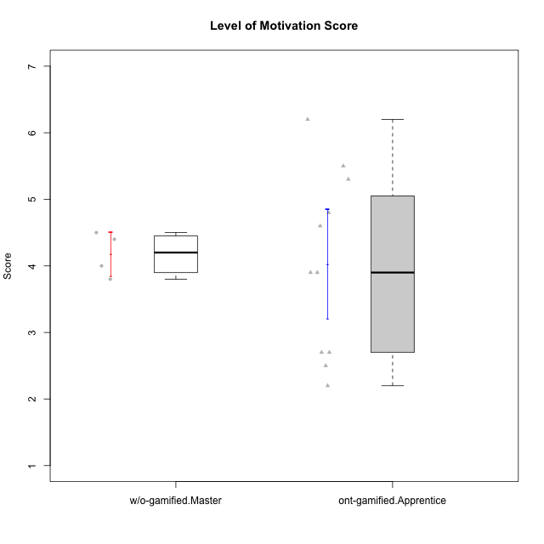

Student's t-Test data
UserID | Type | CLGroup | CLRole | PlayerRole | NroUSP | Item09IE | Item21IE | Item08IE | Item11IE | Item24IE | Item12IE | Item05PC | Item18PC | Item20PC | Item13PC | Item03PC | Item06PT | Item02PT | Item04PT | Item19EI | Item01EI | Item22EI | Item20A | Item25A | Item18A | Item07A | Item04A | Item01S | Item02S | Item09R | Item06R | Item12R | Interest/Enjoyment | Perceived Choice | Pressure/Tension | Effort/Importance | Attention | Relevance | Satisfaction | Intrinsic Motivation | Level of Motivation
10174 | w/o-gamified | Grupo7 | Master |  | 10276852 | 4 | 4 | 6 | 4 | 6 | 3 | 4 | 3 | 4 | 4 | 4 | 6 | 4 | 5 | 2 | 5 | 4 | 4 | 4 | 5 | 6 | 5 | 6 | 5 | 6 | 5 | 4 | 4.5 | 4.2 | 5 | 4.3333333333 | 4.8 | 3 | 5.5 | 4.1176470588 | 4.4
10179 | w/o-gamified | Grupo10 | Master |  | 10310759 | 3 | 4 | 3 | 2 | 4 | 6 | 6 | 5 | 4 | 5 | 7 | 2 | 1 | 1 | 1 | 2 | 5 | 4 | 4 | 4 | 2 | 5 | 3 | 4 | 4 | 2 | 4 | 3.6666666667 | 2.6 | 1.3333333333 | 6 | 3.8 | 4.6666666667 | 3.5 | 4.2941176471 | 4
10186 | ont-gamified | Slayers | Apprentice | Social Achiever | 10310551 | 4 | 3 | 6 | 6 | 3 | 1 | 4 | 4 | 1 | 4 | 4 | 4 | 5 | 4 | 1 | 1 | 7 | 4 | 1 | 4 | 1 | 4 | 7 | 7 | 3 | 1 | 6 | 3.8333333333 | 4.6 | 4.3333333333 | 7 | 2.8 | 6 | 7 | 4.5882352941 | 4.6
10189 | ont-gamified | Vikings | Apprentice | Social Achiever | 9363926 | 2 | 2 | 4 | 1 | 2 | 1 | 5 | 4 | 4 | 5 | 5 | 2 | 1 | 1 | 3 | 1 | 6 | 1 | 1 | 2 | 1 | 2 | 3 | 2 | 6 | 1 | 4 | 2 | 3.4 | 1.3333333333 | 6 | 1.4 | 4.3333333333 | 2.5 | 3.9411764706 | 2.5
10191 | w/o-gamified | Grupo1 | Master |  | 10276981 | 3 | 2 | 3 | 3 | 2 | 1 | 5 | 4 | 5 | 5 | 5 | 1 | 1 | 1 | 4 | 2 | 4 | 2 | 4 | 2 | 4 | 4 | 4 | 4 | 3 | 2 | 3 | 2.3333333333 | 3.2 | 1 | 4.6666666667 | 3.2 | 4.6666666667 | 4 | 3.8235294118 | 3.8
10192 | ont-gamified | Attractive Devils | Apprentice | Social Achiever | 10276682 | 4 | 5 | 4 | 6 | 1 | 4 | 2 | 4 | 4 | 3 | 3 | 4 | 4 | 4 | 5 | 1 | 5 | 4 | 4 | 4 | 7 | 5 | 7 | 6 | 1 | 2 | 5 | 4 | 4.8 | 4 | 5 | 4.8 | 6 | 6.5 | 4.4117647059 | 5.5
10193 | ont-gamified | Vandals | Apprentice | Yee Achiever | 10276762 | 2 | 1 | 1 | 1 | 2 | 1 | 1 | 1 | 1 | 1 | 1 | 2 | 1 | 1 | 2 | 1 | 2 | 2 | 1 | 2 | 1 | 1 | 1 | 2 | 1 | 4 | 1 | 1.3333333333 | 7 | 1.3333333333 | 5 | 1.4 | 4 | 1.5 | 4.5882352941 | 2.2
10198 | ont-gamified | Attractive Devils | Apprentice | Social Achiever | 10310888 | 6 | 3 | 4 | 4 | 2 | 5 | 4 | 6 | 6 | 5 | 1 | 4 | 4 | 4 | 3 | 2 | 6 | 6 | 5 | 5 | 7 | 7 | 7 | 7 | 2 | 1 | 5 | 4 | 3.6 | 4 | 5.6666666667 | 6 | 6 | 7 | 4.1764705882 | 6.2
10200 | ont-gamified | Warriors | Apprentice | Social Achiever | 9795272 | 4 | 5 | 5 | 5 | 5 | 3 | 4 | 2 | 2 | 5 | 3 | 4 | 5 | 5 | 1 | 1 | 6 | 4 | 5 | 4 | 6 | 5 | 5 | 6 | 3 | 1 | 6 | 4.5 | 4.8 | 4.6666666667 | 6.6666666667 | 4.8 | 6 | 5.5 | 4.7647058824 | 5.3
10202 | ont-gamified | Silly Knights | Apprentice | Social Achiever | 10277036 | 3 | 3 | 3 | 3 | 3 | 3 | 2 | 5 | 2 | 2 | 3 | 3 | 3 | 3 | 2 | 2 | 5 | 2 | 3 | 2 | 2 | 4 | 5 | 5 | 3 | 2 | 5 | 3 | 5.2 | 3 | 5.6666666667 | 2.6 | 5.3333333333 | 5 | 4.4705882353 | 3.9
10203 | ont-gamified | Mercenaries | Apprentice | Social Achiever | 9921470 | 5 | 4 | 3 | 4 | 4 | 5 | 1 | 1 | 1 | 1 | 4 | 1 | 2 | 5 | 1 | 1 | 6 | 7 | 5 | 4 | 6 | 4 | 5 | 7 | 4 | 6 | 4 | 4.1666666667 | 6.4 | 2.6666666667 | 6.6666666667 | 5.2 | 3.3333333333 | 6 | 5.4705882353 | 4.8
10209 | ont-gamified | Mafia | Apprentice | Social Achiever | 10262669 | 2 | 2 | 2 | 4 | 2 | 2 | 7 | 7 | 7 | 7 | 7 | 1 | 2 | 1 | 3 | 2 | 2 | 1 | 2 | 2 | 2 | 3 | 2 | 2 | 4 | 3 | 4 | 2.3333333333 | 1 | 1.3333333333 | 4.3333333333 | 2 | 4.3333333333 | 2 | 3.0588235294 | 2.7
10214 | ont-gamified | Vikings | Apprentice | Social Achiever | 10277022 | 1 | 1 | 2 | 1 | 1 | 1 | 2 | 7 | 6 | 6 | 6 | 4 | 5 | 1 | 1 | 1 | 7 | 1 | 2 | 1 | 1 | 4 | 3 | 4 | 5 | 2 | 2 | 1.1666666667 | 2.6 | 3.3333333333 | 7 | 1.8 | 3.6666666667 | 3.5 | 3.2352941176 | 2.7
10231 | w/o-gamified | Grupo9 | Master |  | 10276911 | 4 | 4 | 4 | 4 | 5 | 6 | 1 | 2 | 2 | 2 | 1 | 1 | 1 | 1 | 4 | 3 | 1 | 4 | 4 | 4 | 4 | 4 | 7 | 5 | 4 | 4 | 5 | 4.5 | 6.4 | 1 | 3.3333333333 | 4 | 4.3333333333 | 6 | 5.2941176471 | 4.5
10237 | ont-gamified | Outlaws | Apprentice | Social Achiever | 10377688 | 3 | 5 | 3 | 3 | 6 | 4 | 3 | 3 | 4 | 3 | 6 | 4 | 6 | 5 | 4 | 2 | 5 | 3 | 3 | 4 | 5 | 3 | 3 | 4 | 4 | 3 | 5 | 4 | 4.2 | 5 | 5 | 3.6 | 4.6666666667 | 3.5 | 4.0588235294 | 3.9

Type_CLRole_4
Student's t-Test for Level of Motivation Score in Type:CLRole between ont-gamified.Master:w/o-gamified.Apprentice

Student's t-Test results
Alternative hypothesis: less
Group | N | Mean | Mean.Difference | Std.deviation | Std.error | CI.lower | CI.upper | df | t.value | p.value | g | magnitude
ont-gamified.Master | 8 | 4.6625 | 0.080681818182 | 0.89910669953 | 0.31788222212 | 4.0267355558 | 5.2982644442 | 16.101796203 | 0.18442838282 | 0.57200990155 | 0.080465745021 | negligible
w/o-gamified.Apprentice | 11 | 4.5818181818 | -0.080681818182 | 0.99681310366 | 0.30055045918 | 3.9807172635 | 5.1829191002 | 16.101796203 | 0.18442838282 | 0.57200990155 | 0.080465745021 | negligible
Alternative hypothesis: greater
Group | N | Mean | Mean.Difference | Std.deviation | Std.error | CI.lower | CI.upper | df | t.value | p.value | g | magnitude
ont-gamified.Master | 8 | 4.6625 | 0.080681818182 | 0.89910669953 | 0.31788222212 | 4.0267355558 | 5.2982644442 | 16.101796203 | 0.18442838282 | 0.42799009845 | 0.080465745021 | negligible
w/o-gamified.Apprentice | 11 | 4.5818181818 | -0.080681818182 | 0.99681310366 | 0.30055045918 | 3.9807172635 | 5.1829191002 | 16.101796203 | 0.18442838282 | 0.42799009845 | 0.080465745021 | negligible
Alternative hypothesis: two.sided
Group | N | Mean | Mean.Difference | Std.deviation | Std.error | CI.lower | CI.upper | df | t.value | p.value | g | magnitude
ont-gamified.Master | 8 | 4.6625 | 0.080681818182 | 0.89910669953 | 0.31788222212 | 4.0267355558 | 5.2982644442 | 16.101796203 | 0.18442838282 | 0.85598019691 | 0.080465745021 | negligible
w/o-gamified.Apprentice | 11 | 4.5818181818 | -0.080681818182 | 0.99681310366 | 0.30055045918 | 3.9807172635 | 5.1829191002 | 16.101796203 | 0.18442838282 | 0.85598019691 | 0.080465745021 | negligible

Box plots for Student's t-Test
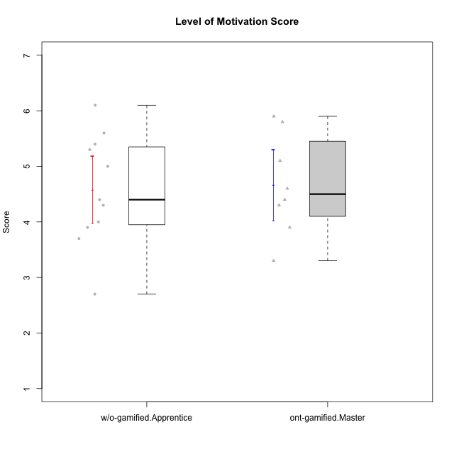

Student's t-Test data
UserID | Type | CLGroup | CLRole | PlayerRole | NroUSP | Item09IE | Item21IE | Item08IE | Item11IE | Item24IE | Item12IE | Item05PC | Item18PC | Item20PC | Item13PC | Item03PC | Item06PT | Item02PT | Item04PT | Item19EI | Item01EI | Item22EI | Item20A | Item25A | Item18A | Item07A | Item04A | Item01S | Item02S | Item09R | Item06R | Item12R | Interest/Enjoyment | Perceived Choice | Pressure/Tension | Effort/Importance | Attention | Relevance | Satisfaction | Intrinsic Motivation | Level of Motivation
10170 | w/o-gamified | Grupo11 | Apprentice |  | 10260351 | 4 | 4 | 6 | 4 | 4 | 3 | 2 | 1 | 3 | 2 | 3 | 1 | 1 | 1 | 3 | 3 | 5 | 6 | 5 | 6 | 5 | 4 | 4 | 4 | 2 | 1 | 6 | 4.1666666667 | 5.8 | 1 | 5 | 5.2 | 6.3333333333 | 4 | 5.2941176471 | 5.3
10171 | ont-gamified | Mafia | Master | Social Achiever | 698531 | 6 | 7 | 6 | 6 | 5 | 5 | 2 | 2 | 1 | 2 | 2 | 1 | 2 | 2 | 1 | 1 | 6 | 6 | 5 | 6 | 5 | 5 | 6 | 6 | 2 | 2 | 7 | 5.8333333333 | 6.2 | 1.6666666667 | 6.6666666667 | 5.4 | 6.3333333333 | 6 | 6.1764705882 | 5.8
10175 | ont-gamified | Warriors | Master | Social Achiever | 10310700 | 4 | 4 | 4 | 4 | 4 | 4 | 1 | 1 | 1 | 1 | 3 | 1 | 1 | 1 | 1 | 1 | 4 | 5 | 5 | 5 | 6 | 6 | 6 | 6 | 2 | 1 | 7 | 4 | 6.6 | 1 | 6 | 5.4 | 6.6666666667 | 6 | 5.6470588235 | 5.9
10176 | ont-gamified | Outlaws | Master | Social Achiever | 10276949 | 4 | 4 | 4 | 4 | 4 | 3 | 4 | 5 | 4 | 6 | 4 | 6 | 4 | 6 | 5 | 4 | 4 | 5 | 5 | 5 | 4 | 4 | 4 | 4 | 4 | 4 | 4 | 3.8333333333 | 3.4 | 5.3333333333 | 3.6666666667 | 4.6 | 4 | 4 | 3.4705882353 | 4.3
10183 | w/o-gamified | Grupo3 | Apprentice |  | 10352030 | 3 | 3 | 3 | 3 | 2 | 3 | 4 | 3 | 5 | 2 | 4 | 5 | 4 | 4 | 3 | 4 | 4 | 2 | 2 | 2 | 2 | 3 | 2 | 2 | 5 | 2 | 3 | 2.8333333333 | 4.4 | 4.3333333333 | 4.3333333333 | 2.2 | 4 | 2 | 3.7058823529 | 2.7
10184 | w/o-gamified | Grupo10 | Apprentice |  | 10276675 | 4 | 3 | 4 | 4 | 4 | 4 | 5 | 4 | 4 | 3 | 4 | 4 | 4 | 3 | 4 | 4 | 4 | 4 | 4 | 4 | 2 | 4 | 6 | 4 | 4 | 4 | 4 | 3.8333333333 | 4 | 3.6666666667 | 4 | 3.6 | 4 | 5 | 4 | 4
10185 | w/o-gamified | Grupo9 | Apprentice |  | 10276960 | 4 | 3 | 6 | 5 | 6 | 5 | 6 | 6 | 3 | 5 | 3 | 5 | 4 | 4 | 3 | 4 | 5 | 3 | 5 | 3 | 4 | 2 | 4 | 5 | 5 | 3 | 3 | 4.8333333333 | 3.4 | 4.3333333333 | 4.6666666667 | 3.4 | 3.6666666667 | 4.5 | 4.1764705882 | 3.7
10188 | ont-gamified | Vandals | Master | Yee Achiever | 10276995 | 3 | 3 | 4 | 1 | 3 | 4 | 1 | 1 | 1 | 3 | 3 | 1 | 1 | 1 | 3 | 2 | 1 | 3 | 4 | 4 | 2 | 4 | 3 | 3 | 2 | 2 | 4 | 3 | 6.2 | 1 | 4 | 3.4 | 5.3333333333 | 3 | 4.8235294118 | 3.9
10197 | w/o-gamified | Grupo8 | Apprentice |  | 10276661 | 3 | 2 | 5 | 5 | 2 | 4 | 3 | 2 | 4 | 4 | 2 | 5 | 3 | 3 | 3 | 3 | 4 | 4 | 4 | 7 | 5 | 4 | 4 | 4 | 5 | 4 | 4 | 3.5 | 5 | 3.6666666667 | 4.6666666667 | 4.8 | 3.6666666667 | 4 | 4.2941176471 | 4.3
10201 | w/o-gamified | Grupo11 | Apprentice |  | 10276928 | 5 | 6 | 6 | 5 | 3 | 6 | 3 | 4 | 4 | 3 | 5 | 4 | 3 | 2 | 3 | 3 | 5 | 6 | 5 | 6 | 6 | 4 | 6 | 5 | 4 | 2 | 6 | 5.1666666667 | 4.2 | 3 | 5 | 5.4 | 5.3333333333 | 5.5 | 4.8235294118 | 5.4
10206 | w/o-gamified | Grupo8 | Apprentice |  | 10310721 | 4 | 5 | 4 | 2 | 4 | 3 | 2 | 2 | 2 | 3 | 3 | 3 | 3 | 2 | 2 | 2 | 5 | 4 | 6 | 4 | 4 | 5 | 5 | 5 | 3 | 2 | 6 | 3.6666666667 | 5.6 | 2.6666666667 | 5.6666666667 | 4.6 | 5.6666666667 | 5 | 4.8823529412 | 5
10208 | ont-gamified | Mercenaries | Master | Social Achiever | 10276932 | 4 | 4 | 4 | 4 | 4 | 3 | 2 | 4 | 2 | 4 | 4 | 2 | 2 | 2 | 2 | 2 | 4 | 2 | 2 | 2 | 3 | 3 | 5 | 5 | 5 | 3 | 3 | 3.8333333333 | 4.8 | 2 | 5.3333333333 | 2.4 | 3.6666666667 | 5 | 4.7647058824 | 3.3
10213 | w/o-gamified | Grupo7 | Apprentice |  | 10277040 | 3 | 4 | 4 | 7 | 4 | 1 | 7 | 7 | 7 | 7 | 7 | 7 | 1 | 7 | 1 | 1 | 7 | 7 | 7 | 5 | 7 | 7 | 7 | 4 | 2 | 1 | 4 | 3.8333333333 | 1 | 5 | 7 | 6.6 | 5.6666666667 | 5.5 | 3.4117647059 | 6.1
10216 | ont-gamified | Silly Knights | Master | Social Achiever | 10276720 | 5 | 4 | 4 | 3 | 5 | 7 | 2 | 1 | 3 | 2 | 3 | 1 | 1 | 1 | 2 | 1 | 4 | 5 | 6 | 4 | 2 | 4 | 5 | 5 | 2 | 1 | 7 | 4.6666666667 | 5.8 | 1 | 5.6666666667 | 4.2 | 6.6666666667 | 5 | 5.5882352941 | 5.1
10217 | w/o-gamified | Grupo9 | Apprentice |  | 9805341 | 5 | 5 | 5 | 3 | 4 | 4 | 5 | 4 | 2 | 4 | 4 | 1 | 1 | 1 | 4 | 3 | 2 | 4 | 4 | 3 | 4 | 5 | 4 | 4 | 3 | 3 | 6 | 4.3333333333 | 4.2 | 1 | 3.6666666667 | 4 | 5.3333333333 | 4 | 4.6470588235 | 4.4
10218 | w/o-gamified | Grupo10 | Apprentice |  | 9842913 | 4 | 4 | 4 | 4 | 4 | 4 | 5 | 5 | 4 | 4 | 4 | 4 | 4 | 5 | 4 | 4 | 5 | 4 | 4 | 3 | 5 | 3 | 4 | 3 | 3 | 4 | 4 | 4 | 3.6 | 4.3333333333 | 4.3333333333 | 3.8 | 4.3333333333 | 3.5 | 3.8823529412 | 3.9
10223 | ont-gamified | Slayers | Master | Social Achiever | 9795185 | 5 | 5 | 6 | 4 | 5 | 5 | 4 | 3 | 4 | 4 | 4 | 2 | 4 | 4 | 4 | 4 | 4 | 4 | 4 | 3 | 4 | 4 | 4 | 5 | 2 | 3 | 7 | 5 | 4.2 | 3.3333333333 | 4 | 3.8 | 6 | 4.5 | 4.5294117647 | 4.6
10230 | ont-gamified | Resistance | Master | Social Achiever | 10351992 | 4 | 5 | 5 | 4 | 5 | 4 | 4 | 3 | 5 | 3 | 5 | 6 | 5 | 4 | 2 | 3 | 5 | 2 | 4 | 3 | 6 | 6 | 4 | 6 | 3 | 4 | 4 | 4.5 | 4 | 5 | 5.3333333333 | 4.2 | 4.3333333333 | 5 | 4.2352941176 | 4.4
10232 | w/o-gamified | Grupo7 | Apprentice |  | 10276974 | 4 | 4 | 5 | 5 | 5 | 4 | 3 | 4 | 4 | 3 | 3 | 2 | 2 | 2 | 1 | 1 | 6 | 4 | 6 | 4 | 5 | 6 | 6 | 5 | 2 | 1 | 7 | 4.5 | 4.6 | 2 | 6.6666666667 | 5 | 6.6666666667 | 5.5 | 5.1764705882 | 5.6

Type_CLRole_5
Student's t-Test for Level of Motivation Score in Type:CLRole between ont-gamified.Master:w/o-gamified.Master

Student's t-Test results
Alternative hypothesis: less
Group | N | Mean | Mean.Difference | Std.deviation | Std.error | CI.lower | CI.upper | df | t.value | p.value | g | magnitude
ont-gamified.Master | 8 | 4.6625 | 0.4875 | 0.89910669953 | 0.31788222212 | 4.0267355558 | 5.2982644442 | 9.6494040231 | 1.3607937104 | 0.89774392236 | 0.58161431725 | medium
w/o-gamified.Master | 4 | 4.175 | -0.4875 | 0.33040379336 | 0.16520189668 | 3.8445962066 | 4.5054037934 | 9.6494040231 | 1.3607937104 | 0.89774392236 | 0.58161431725 | medium
Alternative hypothesis: greater
Group | N | Mean | Mean.Difference | Std.deviation | Std.error | CI.lower | CI.upper | df | t.value | p.value | g | magnitude
ont-gamified.Master | 8 | 4.6625 | 0.4875 | 0.89910669953 | 0.31788222212 | 4.0267355558 | 5.2982644442 | 9.6494040231 | 1.3607937104 | 0.10225607764 | 0.58161431725 | medium
w/o-gamified.Master | 4 | 4.175 | -0.4875 | 0.33040379336 | 0.16520189668 | 3.8445962066 | 4.5054037934 | 9.6494040231 | 1.3607937104 | 0.10225607764 | 0.58161431725 | medium
Alternative hypothesis: two.sided
Group | N | Mean | Mean.Difference | Std.deviation | Std.error | CI.lower | CI.upper | df | t.value | p.value | g | magnitude
ont-gamified.Master | 8 | 4.6625 | 0.4875 | 0.89910669953 | 0.31788222212 | 4.0267355558 | 5.2982644442 | 9.6494040231 | 1.3607937104 | 0.20451215528 | 0.58161431725 | medium
w/o-gamified.Master | 4 | 4.175 | -0.4875 | 0.33040379336 | 0.16520189668 | 3.8445962066 | 4.5054037934 | 9.6494040231 | 1.3607937104 | 0.20451215528 | 0.58161431725 | medium

Box plots for Student's t-Test
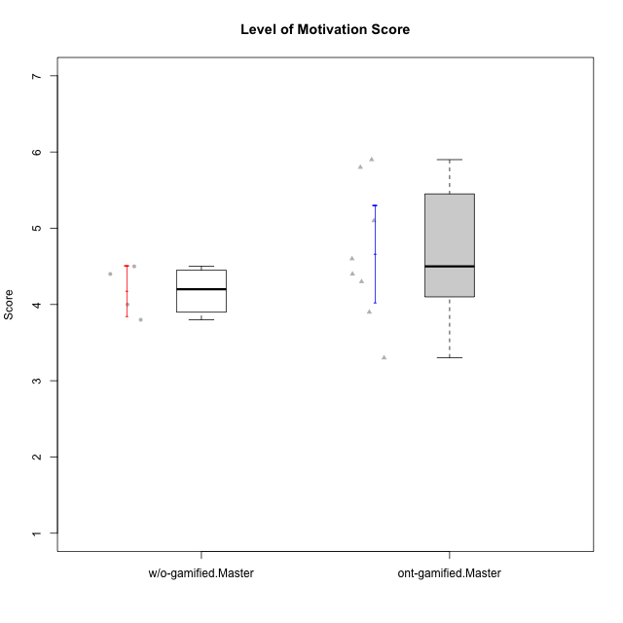

Student's t-Test data
UserID | Type | CLGroup | CLRole | PlayerRole | NroUSP | Item09IE | Item21IE | Item08IE | Item11IE | Item24IE | Item12IE | Item05PC | Item18PC | Item20PC | Item13PC | Item03PC | Item06PT | Item02PT | Item04PT | Item19EI | Item01EI | Item22EI | Item20A | Item25A | Item18A | Item07A | Item04A | Item01S | Item02S | Item09R | Item06R | Item12R | Interest/Enjoyment | Perceived Choice | Pressure/Tension | Effort/Importance | Attention | Relevance | Satisfaction | Intrinsic Motivation | Level of Motivation
10171 | ont-gamified | Mafia | Master | Social Achiever | 698531 | 6 | 7 | 6 | 6 | 5 | 5 | 2 | 2 | 1 | 2 | 2 | 1 | 2 | 2 | 1 | 1 | 6 | 6 | 5 | 6 | 5 | 5 | 6 | 6 | 2 | 2 | 7 | 5.8333333333 | 6.2 | 1.6666666667 | 6.6666666667 | 5.4 | 6.3333333333 | 6 | 6.1764705882 | 5.8
10174 | w/o-gamified | Grupo7 | Master |  | 10276852 | 4 | 4 | 6 | 4 | 6 | 3 | 4 | 3 | 4 | 4 | 4 | 6 | 4 | 5 | 2 | 5 | 4 | 4 | 4 | 5 | 6 | 5 | 6 | 5 | 6 | 5 | 4 | 4.5 | 4.2 | 5 | 4.3333333333 | 4.8 | 3 | 5.5 | 4.1176470588 | 4.4
10175 | ont-gamified | Warriors | Master | Social Achiever | 10310700 | 4 | 4 | 4 | 4 | 4 | 4 | 1 | 1 | 1 | 1 | 3 | 1 | 1 | 1 | 1 | 1 | 4 | 5 | 5 | 5 | 6 | 6 | 6 | 6 | 2 | 1 | 7 | 4 | 6.6 | 1 | 6 | 5.4 | 6.6666666667 | 6 | 5.6470588235 | 5.9
10176 | ont-gamified | Outlaws | Master | Social Achiever | 10276949 | 4 | 4 | 4 | 4 | 4 | 3 | 4 | 5 | 4 | 6 | 4 | 6 | 4 | 6 | 5 | 4 | 4 | 5 | 5 | 5 | 4 | 4 | 4 | 4 | 4 | 4 | 4 | 3.8333333333 | 3.4 | 5.3333333333 | 3.6666666667 | 4.6 | 4 | 4 | 3.4705882353 | 4.3
10179 | w/o-gamified | Grupo10 | Master |  | 10310759 | 3 | 4 | 3 | 2 | 4 | 6 | 6 | 5 | 4 | 5 | 7 | 2 | 1 | 1 | 1 | 2 | 5 | 4 | 4 | 4 | 2 | 5 | 3 | 4 | 4 | 2 | 4 | 3.6666666667 | 2.6 | 1.3333333333 | 6 | 3.8 | 4.6666666667 | 3.5 | 4.2941176471 | 4
10188 | ont-gamified | Vandals | Master | Yee Achiever | 10276995 | 3 | 3 | 4 | 1 | 3 | 4 | 1 | 1 | 1 | 3 | 3 | 1 | 1 | 1 | 3 | 2 | 1 | 3 | 4 | 4 | 2 | 4 | 3 | 3 | 2 | 2 | 4 | 3 | 6.2 | 1 | 4 | 3.4 | 5.3333333333 | 3 | 4.8235294118 | 3.9
10191 | w/o-gamified | Grupo1 | Master |  | 10276981 | 3 | 2 | 3 | 3 | 2 | 1 | 5 | 4 | 5 | 5 | 5 | 1 | 1 | 1 | 4 | 2 | 4 | 2 | 4 | 2 | 4 | 4 | 4 | 4 | 3 | 2 | 3 | 2.3333333333 | 3.2 | 1 | 4.6666666667 | 3.2 | 4.6666666667 | 4 | 3.8235294118 | 3.8
10208 | ont-gamified | Mercenaries | Master | Social Achiever | 10276932 | 4 | 4 | 4 | 4 | 4 | 3 | 2 | 4 | 2 | 4 | 4 | 2 | 2 | 2 | 2 | 2 | 4 | 2 | 2 | 2 | 3 | 3 | 5 | 5 | 5 | 3 | 3 | 3.8333333333 | 4.8 | 2 | 5.3333333333 | 2.4 | 3.6666666667 | 5 | 4.7647058824 | 3.3
10216 | ont-gamified | Silly Knights | Master | Social Achiever | 10276720 | 5 | 4 | 4 | 3 | 5 | 7 | 2 | 1 | 3 | 2 | 3 | 1 | 1 | 1 | 2 | 1 | 4 | 5 | 6 | 4 | 2 | 4 | 5 | 5 | 2 | 1 | 7 | 4.6666666667 | 5.8 | 1 | 5.6666666667 | 4.2 | 6.6666666667 | 5 | 5.5882352941 | 5.1
10223 | ont-gamified | Slayers | Master | Social Achiever | 9795185 | 5 | 5 | 6 | 4 | 5 | 5 | 4 | 3 | 4 | 4 | 4 | 2 | 4 | 4 | 4 | 4 | 4 | 4 | 4 | 3 | 4 | 4 | 4 | 5 | 2 | 3 | 7 | 5 | 4.2 | 3.3333333333 | 4 | 3.8 | 6 | 4.5 | 4.5294117647 | 4.6
10230 | ont-gamified | Resistance | Master | Social Achiever | 10351992 | 4 | 5 | 5 | 4 | 5 | 4 | 4 | 3 | 5 | 3 | 5 | 6 | 5 | 4 | 2 | 3 | 5 | 2 | 4 | 3 | 6 | 6 | 4 | 6 | 3 | 4 | 4 | 4.5 | 4 | 5 | 5.3333333333 | 4.2 | 4.3333333333 | 5 | 4.2352941176 | 4.4
10231 | w/o-gamified | Grupo9 | Master |  | 10276911 | 4 | 4 | 4 | 4 | 5 | 6 | 1 | 2 | 2 | 2 | 1 | 1 | 1 | 1 | 4 | 3 | 1 | 4 | 4 | 4 | 4 | 4 | 7 | 5 | 4 | 4 | 5 | 4.5 | 6.4 | 1 | 3.3333333333 | 4 | 4.3333333333 | 6 | 5.2941176471 | 4.5

Type_CLRole_6
Student's t-Test for Level of Motivation Score in Type:CLRole between w/o-gamified.Apprentice:w/o-gamified.Master

Student's t-Test results
Alternative hypothesis: less
Group | N | Mean | Mean.Difference | Std.deviation | Std.error | CI.lower | CI.upper | df | t.value | p.value | g | magnitude
w/o-gamified.Apprentice | 11 | 4.5818181818 | 0.40681818182 | 0.99681310366 | 0.30055045918 | 3.9807172635 | 5.1829191002 | 12.999883943 | 1.1861937243 | 0.87161330071 | 0.43091107401 | small
w/o-gamified.Master | 4 | 4.175 | -0.40681818182 | 0.33040379336 | 0.16520189668 | 3.8445962066 | 4.5054037934 | 12.999883943 | 1.1861937243 | 0.87161330071 | 0.43091107401 | small
Alternative hypothesis: greater
Group | N | Mean | Mean.Difference | Std.deviation | Std.error | CI.lower | CI.upper | df | t.value | p.value | g | magnitude
w/o-gamified.Apprentice | 11 | 4.5818181818 | 0.40681818182 | 0.99681310366 | 0.30055045918 | 3.9807172635 | 5.1829191002 | 12.999883943 | 1.1861937243 | 0.12838669929 | 0.43091107401 | small
w/o-gamified.Master | 4 | 4.175 | -0.40681818182 | 0.33040379336 | 0.16520189668 | 3.8445962066 | 4.5054037934 | 12.999883943 | 1.1861937243 | 0.12838669929 | 0.43091107401 | small
Alternative hypothesis: two.sided
Group | N | Mean | Mean.Difference | Std.deviation | Std.error | CI.lower | CI.upper | df | t.value | p.value | g | magnitude
w/o-gamified.Apprentice | 11 | 4.5818181818 | 0.40681818182 | 0.99681310366 | 0.30055045918 | 3.9807172635 | 5.1829191002 | 12.999883943 | 1.1861937243 | 0.25677339858 | 0.43091107401 | small
w/o-gamified.Master | 4 | 4.175 | -0.40681818182 | 0.33040379336 | 0.16520189668 | 3.8445962066 | 4.5054037934 | 12.999883943 | 1.1861937243 | 0.25677339858 | 0.43091107401 | small

Box plots for Student's t-Test
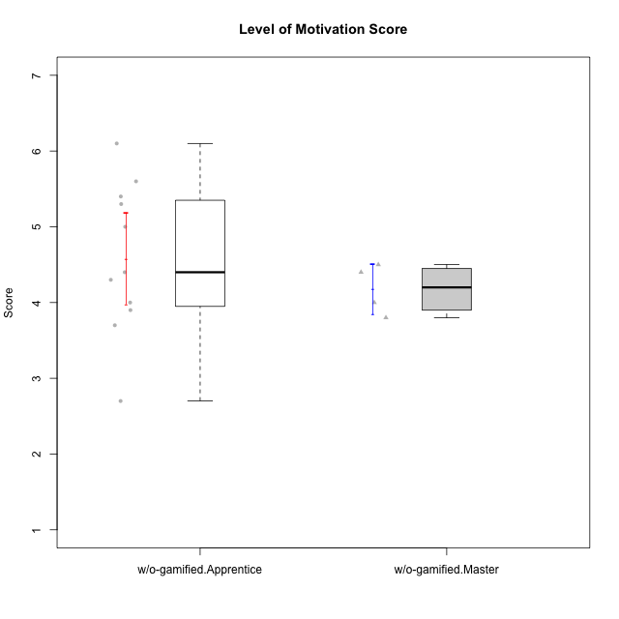

Student's t-Test data
UserID | Type | CLGroup | CLRole | PlayerRole | NroUSP | Item09IE | Item21IE | Item08IE | Item11IE | Item24IE | Item12IE | Item05PC | Item18PC | Item20PC | Item13PC | Item03PC | Item06PT | Item02PT | Item04PT | Item19EI | Item01EI | Item22EI | Item20A | Item25A | Item18A | Item07A | Item04A | Item01S | Item02S | Item09R | Item06R | Item12R | Interest/Enjoyment | Perceived Choice | Pressure/Tension | Effort/Importance | Attention | Relevance | Satisfaction | Intrinsic Motivation | Level of Motivation
10170 | w/o-gamified | Grupo11 | Apprentice |  | 10260351 | 4 | 4 | 6 | 4 | 4 | 3 | 2 | 1 | 3 | 2 | 3 | 1 | 1 | 1 | 3 | 3 | 5 | 6 | 5 | 6 | 5 | 4 | 4 | 4 | 2 | 1 | 6 | 4.1666666667 | 5.8 | 1 | 5 | 5.2 | 6.3333333333 | 4 | 5.2941176471 | 5.3
10174 | w/o-gamified | Grupo7 | Master |  | 10276852 | 4 | 4 | 6 | 4 | 6 | 3 | 4 | 3 | 4 | 4 | 4 | 6 | 4 | 5 | 2 | 5 | 4 | 4 | 4 | 5 | 6 | 5 | 6 | 5 | 6 | 5 | 4 | 4.5 | 4.2 | 5 | 4.3333333333 | 4.8 | 3 | 5.5 | 4.1176470588 | 4.4
10179 | w/o-gamified | Grupo10 | Master |  | 10310759 | 3 | 4 | 3 | 2 | 4 | 6 | 6 | 5 | 4 | 5 | 7 | 2 | 1 | 1 | 1 | 2 | 5 | 4 | 4 | 4 | 2 | 5 | 3 | 4 | 4 | 2 | 4 | 3.6666666667 | 2.6 | 1.3333333333 | 6 | 3.8 | 4.6666666667 | 3.5 | 4.2941176471 | 4
10183 | w/o-gamified | Grupo3 | Apprentice |  | 10352030 | 3 | 3 | 3 | 3 | 2 | 3 | 4 | 3 | 5 | 2 | 4 | 5 | 4 | 4 | 3 | 4 | 4 | 2 | 2 | 2 | 2 | 3 | 2 | 2 | 5 | 2 | 3 | 2.8333333333 | 4.4 | 4.3333333333 | 4.3333333333 | 2.2 | 4 | 2 | 3.7058823529 | 2.7
10184 | w/o-gamified | Grupo10 | Apprentice |  | 10276675 | 4 | 3 | 4 | 4 | 4 | 4 | 5 | 4 | 4 | 3 | 4 | 4 | 4 | 3 | 4 | 4 | 4 | 4 | 4 | 4 | 2 | 4 | 6 | 4 | 4 | 4 | 4 | 3.8333333333 | 4 | 3.6666666667 | 4 | 3.6 | 4 | 5 | 4 | 4
10185 | w/o-gamified | Grupo9 | Apprentice |  | 10276960 | 4 | 3 | 6 | 5 | 6 | 5 | 6 | 6 | 3 | 5 | 3 | 5 | 4 | 4 | 3 | 4 | 5 | 3 | 5 | 3 | 4 | 2 | 4 | 5 | 5 | 3 | 3 | 4.8333333333 | 3.4 | 4.3333333333 | 4.6666666667 | 3.4 | 3.6666666667 | 4.5 | 4.1764705882 | 3.7
10191 | w/o-gamified | Grupo1 | Master |  | 10276981 | 3 | 2 | 3 | 3 | 2 | 1 | 5 | 4 | 5 | 5 | 5 | 1 | 1 | 1 | 4 | 2 | 4 | 2 | 4 | 2 | 4 | 4 | 4 | 4 | 3 | 2 | 3 | 2.3333333333 | 3.2 | 1 | 4.6666666667 | 3.2 | 4.6666666667 | 4 | 3.8235294118 | 3.8
10197 | w/o-gamified | Grupo8 | Apprentice |  | 10276661 | 3 | 2 | 5 | 5 | 2 | 4 | 3 | 2 | 4 | 4 | 2 | 5 | 3 | 3 | 3 | 3 | 4 | 4 | 4 | 7 | 5 | 4 | 4 | 4 | 5 | 4 | 4 | 3.5 | 5 | 3.6666666667 | 4.6666666667 | 4.8 | 3.6666666667 | 4 | 4.2941176471 | 4.3
10201 | w/o-gamified | Grupo11 | Apprentice |  | 10276928 | 5 | 6 | 6 | 5 | 3 | 6 | 3 | 4 | 4 | 3 | 5 | 4 | 3 | 2 | 3 | 3 | 5 | 6 | 5 | 6 | 6 | 4 | 6 | 5 | 4 | 2 | 6 | 5.1666666667 | 4.2 | 3 | 5 | 5.4 | 5.3333333333 | 5.5 | 4.8235294118 | 5.4
10206 | w/o-gamified | Grupo8 | Apprentice |  | 10310721 | 4 | 5 | 4 | 2 | 4 | 3 | 2 | 2 | 2 | 3 | 3 | 3 | 3 | 2 | 2 | 2 | 5 | 4 | 6 | 4 | 4 | 5 | 5 | 5 | 3 | 2 | 6 | 3.6666666667 | 5.6 | 2.6666666667 | 5.6666666667 | 4.6 | 5.6666666667 | 5 | 4.8823529412 | 5
10213 | w/o-gamified | Grupo7 | Apprentice |  | 10277040 | 3 | 4 | 4 | 7 | 4 | 1 | 7 | 7 | 7 | 7 | 7 | 7 | 1 | 7 | 1 | 1 | 7 | 7 | 7 | 5 | 7 | 7 | 7 | 4 | 2 | 1 | 4 | 3.8333333333 | 1 | 5 | 7 | 6.6 | 5.6666666667 | 5.5 | 3.4117647059 | 6.1
10217 | w/o-gamified | Grupo9 | Apprentice |  | 9805341 | 5 | 5 | 5 | 3 | 4 | 4 | 5 | 4 | 2 | 4 | 4 | 1 | 1 | 1 | 4 | 3 | 2 | 4 | 4 | 3 | 4 | 5 | 4 | 4 | 3 | 3 | 6 | 4.3333333333 | 4.2 | 1 | 3.6666666667 | 4 | 5.3333333333 | 4 | 4.6470588235 | 4.4
10218 | w/o-gamified | Grupo10 | Apprentice |  | 9842913 | 4 | 4 | 4 | 4 | 4 | 4 | 5 | 5 | 4 | 4 | 4 | 4 | 4 | 5 | 4 | 4 | 5 | 4 | 4 | 3 | 5 | 3 | 4 | 3 | 3 | 4 | 4 | 4 | 3.6 | 4.3333333333 | 4.3333333333 | 3.8 | 4.3333333333 | 3.5 | 3.8823529412 | 3.9
10231 | w/o-gamified | Grupo9 | Master |  | 10276911 | 4 | 4 | 4 | 4 | 5 | 6 | 1 | 2 | 2 | 2 | 1 | 1 | 1 | 1 | 4 | 3 | 1 | 4 | 4 | 4 | 4 | 4 | 7 | 5 | 4 | 4 | 5 | 4.5 | 6.4 | 1 | 3.3333333333 | 4 | 4.3333333333 | 6 | 5.2941176471 | 4.5
10232 | w/o-gamified | Grupo7 | Apprentice |  | 10276974 | 4 | 4 | 5 | 5 | 5 | 4 | 3 | 4 | 4 | 3 | 3 | 2 | 2 | 2 | 1 | 1 | 6 | 4 | 6 | 4 | 5 | 6 | 6 | 5 | 2 | 1 | 7 | 4.5 | 4.6 | 2 | 6.6666666667 | 5 | 6.6666666667 | 5.5 | 5.1764705882 | 5.6

