Assumptions
ANOVA assumptions for Relevance Score

Shapiro-Wilk normality test for Relevance Score
W | p.value
0.94004327732 | 0.075078741154

Plots for normality test
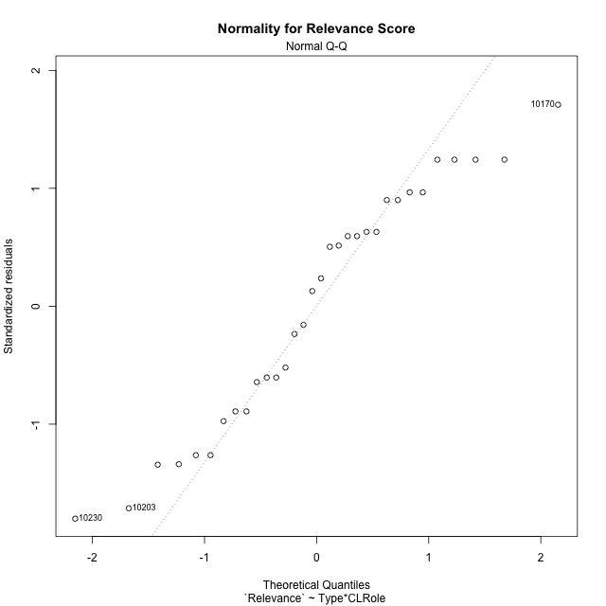

Levene's Test for Homogeneity of Variance in Relevance Score
Df | F value | Pr(>F)
3 | 1.080206379 | 0.37351068132
28

Plots for homogeneity of variance
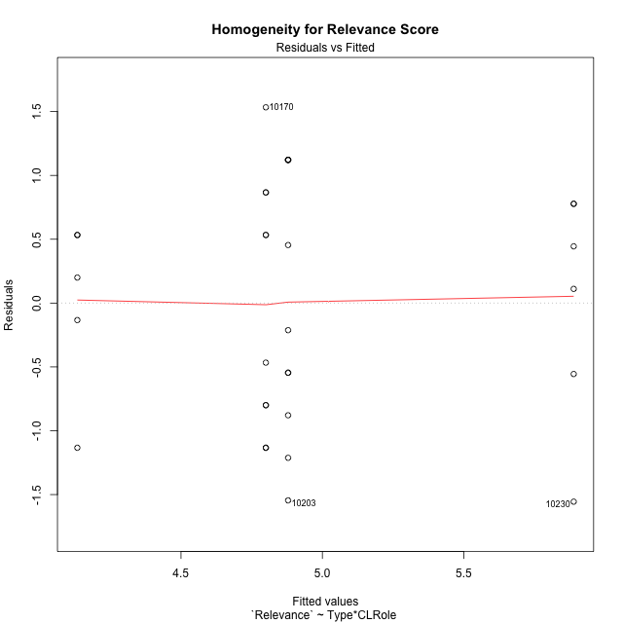

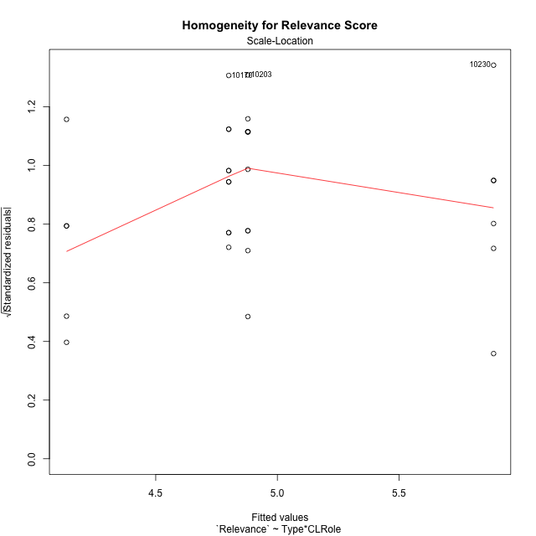

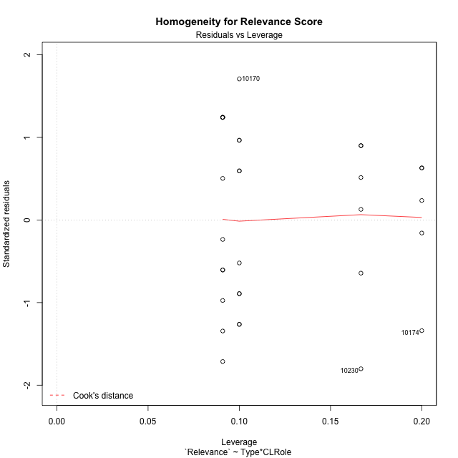

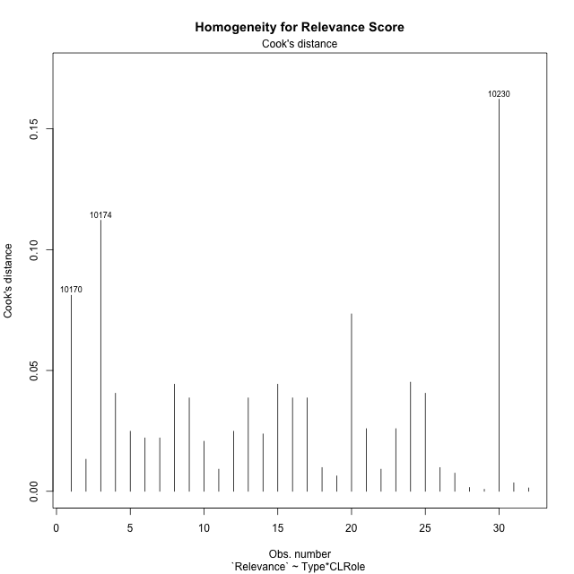

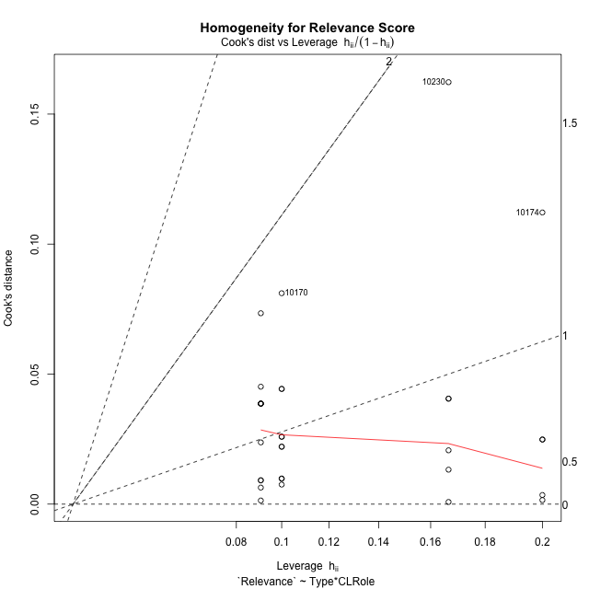

Minimum Sample Size Test for Relevance Score
Type | CLRole | Freq
ont-gamified | Apprentice | 11
w/o-gamified | Apprentice | 10
ont-gamified | Master | 6
w/o-gamified | Master | 5

Errors and Warnings in Sample Size Test for ANOVA in Relevance Score
code | description
WARN: sample.size | current size is 11 and recommended size is 15 for the group: 'ont-gamified:Apprentice'.
WARN: sample.size | current size is 10 and recommended size is 15 for the group: 'w/o-gamified:Apprentice'.
WARN: sample.size | current size is 6 and recommended size is 15 for the group: 'ont-gamified:Master'.
WARN: sample.size | current size is 5 and recommended size is 15 for the group: 'w/o-gamified:Master'.

For the group: 'ont-gamified:Apprentice', we recommend the use of non-parametric test. For the group: 'w/o-gamified:Apprentice', we recommend the use of non-parametric test. For the group: 'ont-gamified:Master', we recommend the use of non-parametric test. For the group: 'w/o-gamified:Master', we recommend the use of non-parametric test.

If you don't want to remove non-normal data, you must cite the following references: ... (1) Lix, L.M., J.C. Keselman, and H.J. Keselman. 1996. Consequences of assumption violations revisited: A quantitative review of alternatives to the one-way analysis of variance F test. Rev. Educ. Res. 66: 579-619. ... (2) Harwell, M.R., E.N. Rubinstein, W.S. Hayes, and C.C. Olds. 1992. Summarizing Monte Carlo results in methodological research: the one- and two-factor fixed effects ANOVA cases. J. Educ. Stat. 17: 315-339.

Post-hoc
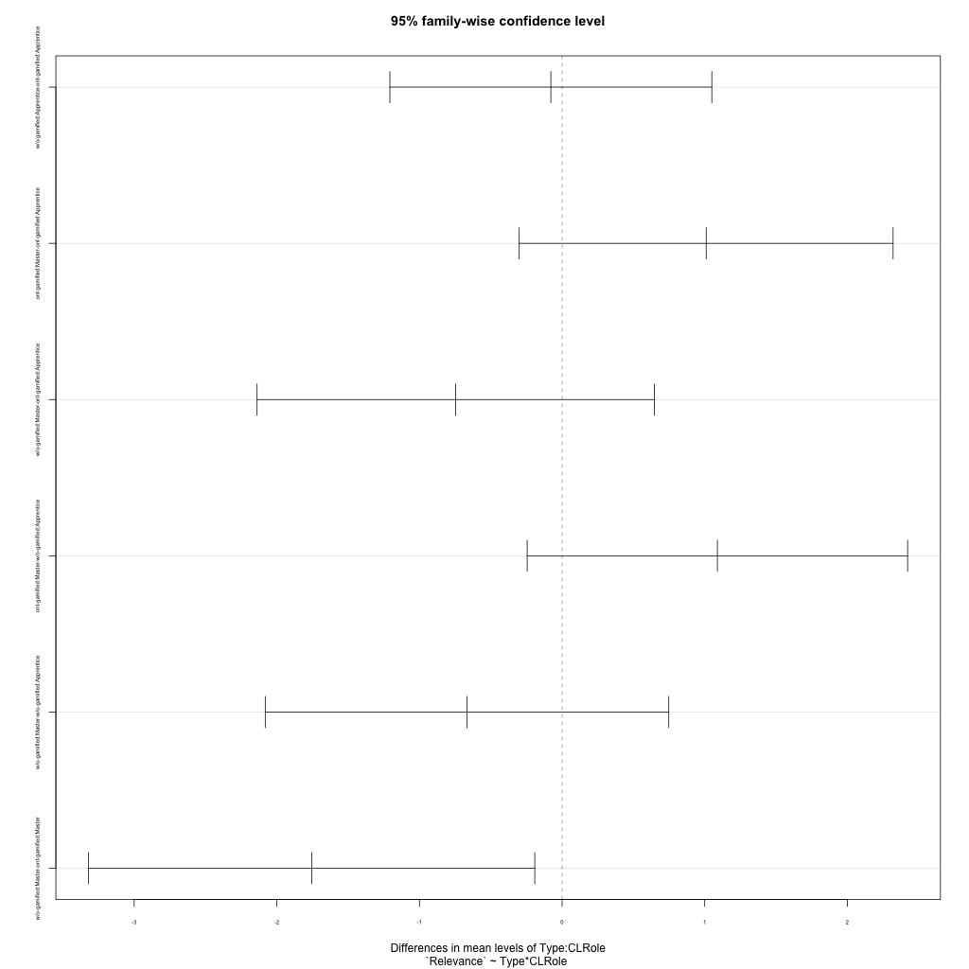
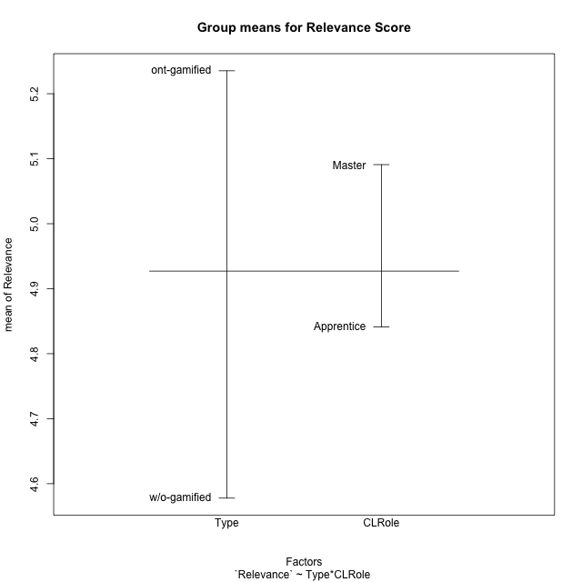
Post-hoc Tukey Honestly Significant Difference (HSD) Test for Relevance Score

Comparisons of means for Type
 | diff | lwr | upr | p adj
w/o-gamified-ont-gamified | -0.65751633987 | -1.3439107778 | 0.028878098073 | 0.059744371796

Comparisons of means for CLRole
 | diff | lwr | upr | p adj
Master-Apprentice | 0.23540729423 | -0.48576304407 | 0.95657763253 | 0.5091947511

Comparisons of means for Type:CLRole
 | diff | lwr | upr | p adj
w/o-gamified:Apprentice-ont-gamified:Apprentice | -0.078787878788 | -1.2072268874 | 1.0496511298 | 0.99748399841
ont-gamified:Master-ont-gamified:Apprentice | 1.0101010101 | -0.30064118041 | 2.3208432006 | 0.1765147202
w/o-gamified:Master-ont-gamified:Apprentice | -0.74545454545 | -2.1384298995 | 0.64752080857 | 0.47352214896
ont-gamified:Master-w/o-gamified:Apprentice | 1.0888888889 | -0.24478347549 | 2.4225612533 | 0.14003714229
w/o-gamified:Master-w/o-gamified:Apprentice | -0.66666666667 | -2.0812398258 | 0.74790649244 | 0.5786948994
w/o-gamified:Master-ont-gamified:Master | -1.7555555556 | -3.3194250246 | -0.19168608647 | 0.023316996821

Contrast Matrices for Relevance Score - Type
contrast | estimate | SE | df | t.ratio | p.value
ont-gamified - w/o-gamified | 0.91717171717 | 0.35316245021 | 28 | 2.5970250139 | 0.014818577501

Contrast Matrices for Relevance Score - Type:CLRole
contrast | CLRole | estimate | SE | df | t.ratio | p.value
ont-gamified - w/o-gamified | Apprentice | 0.078787878788 | 0.4133004519 | 28 | 0.19063100082 | 0.85019016313
ont-gamified - w/o-gamified | Master | 1.7555555556 | 0.57278058749 | 28 | 3.064970416 | 0.0047802991375

Least Squares Means and Confidence Intervals for Type
Type | lsmean | SE | df | lower.CL | upper.CL | Pairs
ont-gamified | 5.3838383838 | 0.24003527685 | 28 | 4.8921484085 | 5.8755283592 | ont-gamified
w/o-gamified | 4.4666666667 | 0.25904976763 | 28 | 3.9360272726 | 4.9973060608 | w/o-gamified

Least Squares Means and Confidence Intervals for Type:CLRole
Type | CLRole | lsmean | SE | df | lower.CL | upper.CL | Pairs
ont-gamified | Apprentice | 4.8787878788 | 0.28520440752 | 28 | 4.2945731336 | 5.463002624 | ont-gamified.Apprentice
w/o-gamified | Apprentice | 4.8 | 0.29912490614 | 28 | 4.187270406 | 5.412729594 | w/o-gamified.Apprentice
ont-gamified | Master | 5.8888888889 | 0.38616859331 | 28 | 5.0978583844 | 6.6799193934 | ont-gamified.Master
w/o-gamified | Master | 4.1333333333 | 0.42302649911 | 28 | 3.2668028314 | 4.9998638353 | w/o-gamified.Master

Plots

Type_1
Student's t-Test for Relevance Score in Type between ont-gamified:w/o-gamified

Student's t-Test results
Alternative hypothesis: less
Group | N | Mean | Mean.Difference | Std.deviation | Std.error | CI.lower | CI.upper | df | t.value | p.value | g | magnitude
ont-gamified | 17 | 5.2352941176 | 0.65751633987 | 1.0786096109 | 0.26160125616 | 4.7120916053 | 5.75849663 | 29.976094755 | 1.8596351419 | 0.96361160522 | 0.63570811953 | medium
w/o-gamified | 15 | 4.5777777778 | -0.65751633987 | 0.9212368038 | 0.23786231994 | 4.1020531379 | 5.0535024176 | 29.976094755 | 1.8596351419 | 0.96361160522 | 0.63570811953 | medium
Alternative hypothesis: greater
Group | N | Mean | Mean.Difference | Std.deviation | Std.error | CI.lower | CI.upper | df | t.value | p.value | g | magnitude
ont-gamified | 17 | 5.2352941176 | 0.65751633987 | 1.0786096109 | 0.26160125616 | 4.7120916053 | 5.75849663 | 29.976094755 | 1.8596351419 | 0.036388394785 | 0.63570811953 | medium
w/o-gamified | 15 | 4.5777777778 | -0.65751633987 | 0.9212368038 | 0.23786231994 | 4.1020531379 | 5.0535024176 | 29.976094755 | 1.8596351419 | 0.036388394785 | 0.63570811953 | medium
Alternative hypothesis: two.sided
Group | N | Mean | Mean.Difference | Std.deviation | Std.error | CI.lower | CI.upper | df | t.value | p.value | g | magnitude
ont-gamified | 17 | 5.2352941176 | 0.65751633987 | 1.0786096109 | 0.26160125616 | 4.7120916053 | 5.75849663 | 29.976094755 | 1.8596351419 | 0.07277678957 | 0.63570811953 | medium
w/o-gamified | 15 | 4.5777777778 | -0.65751633987 | 0.9212368038 | 0.23786231994 | 4.1020531379 | 5.0535024176 | 29.976094755 | 1.8596351419 | 0.07277678957 | 0.63570811953 | medium

Box plots for Student's t-Test
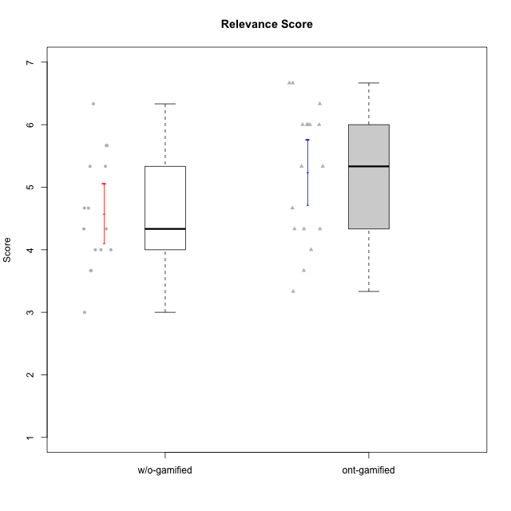

Student's t-Test data
UserID | Type | CLGroup | CLRole | PlayerRole | NroUSP | Item09IE | Item21IE | Item08IE | Item11IE | Item24IE | Item12IE | Item05PC | Item18PC | Item20PC | Item13PC | Item03PC | Item06PT | Item02PT | Item04PT | Item19EI | Item01EI | Item22EI | Item20A | Item25A | Item18A | Item07A | Item04A | Item01S | Item02S | Item09R | Item06R | Item12R | Interest/Enjoyment | Perceived Choice | Pressure/Tension | Effort/Importance | Attention | Relevance | Satisfaction | Intrinsic Motivation | Level of Motivation
10170 | w/o-gamified | Grupo11 | Apprentice |  | 10260351 | 4 | 4 | 6 | 4 | 4 | 3 | 2 | 1 | 3 | 2 | 3 | 1 | 1 | 1 | 3 | 3 | 5 | 6 | 5 | 6 | 5 | 4 | 4 | 4 | 2 | 1 | 6 | 4.1666666667 | 5.8 | 1 | 5 | 5.2 | 6.3333333333 | 4 | 5.2941176471 | 5.3
10171 | ont-gamified | Mafia | Master | Social Achiever | 698531 | 6 | 7 | 6 | 6 | 5 | 5 | 2 | 2 | 1 | 2 | 2 | 1 | 2 | 2 | 1 | 1 | 6 | 6 | 5 | 6 | 5 | 5 | 6 | 6 | 2 | 2 | 7 | 5.8333333333 | 6.2 | 1.6666666667 | 6.6666666667 | 5.4 | 6.3333333333 | 6 | 6.1764705882 | 5.8
10174 | w/o-gamified | Grupo7 | Master |  | 10276852 | 4 | 4 | 6 | 4 | 6 | 3 | 4 | 3 | 4 | 4 | 4 | 6 | 4 | 5 | 2 | 5 | 4 | 4 | 4 | 5 | 6 | 5 | 6 | 5 | 6 | 5 | 4 | 4.5 | 4.2 | 5 | 4.3333333333 | 4.8 | 3 | 5.5 | 4.1176470588 | 4.4
10175 | ont-gamified | Warriors | Master | Social Achiever | 10310700 | 4 | 4 | 4 | 4 | 4 | 4 | 1 | 1 | 1 | 1 | 3 | 1 | 1 | 1 | 1 | 1 | 4 | 5 | 5 | 5 | 6 | 6 | 6 | 6 | 2 | 1 | 7 | 4 | 6.6 | 1 | 6 | 5.4 | 6.6666666667 | 6 | 5.6470588235 | 5.9
10179 | w/o-gamified | Grupo10 | Master |  | 10310759 | 3 | 4 | 3 | 2 | 4 | 6 | 6 | 5 | 4 | 5 | 7 | 2 | 1 | 1 | 1 | 2 | 5 | 4 | 4 | 4 | 2 | 5 | 3 | 4 | 4 | 2 | 4 | 3.6666666667 | 2.6 | 1.3333333333 | 6 | 3.8 | 4.6666666667 | 3.5 | 4.2941176471 | 4
10183 | w/o-gamified | Grupo3 | Apprentice |  | 10352030 | 3 | 3 | 3 | 3 | 2 | 3 | 4 | 3 | 5 | 2 | 4 | 5 | 4 | 4 | 3 | 4 | 4 | 2 | 2 | 2 | 2 | 3 | 2 | 2 | 5 | 2 | 3 | 2.8333333333 | 4.4 | 4.3333333333 | 4.3333333333 | 2.2 | 4 | 2 | 3.7058823529 | 2.7
10184 | w/o-gamified | Grupo10 | Apprentice |  | 10276675 | 4 | 3 | 4 | 4 | 4 | 4 | 5 | 4 | 4 | 3 | 4 | 4 | 4 | 3 | 4 | 4 | 4 | 4 | 4 | 4 | 2 | 4 | 6 | 4 | 4 | 4 | 4 | 3.8333333333 | 4 | 3.6666666667 | 4 | 3.6 | 4 | 5 | 4 | 4
10185 | w/o-gamified | Grupo9 | Apprentice |  | 10276960 | 4 | 3 | 6 | 5 | 6 | 5 | 6 | 6 | 3 | 5 | 3 | 5 | 4 | 4 | 3 | 4 | 5 | 3 | 5 | 3 | 4 | 2 | 4 | 5 | 5 | 3 | 3 | 4.8333333333 | 3.4 | 4.3333333333 | 4.6666666667 | 3.4 | 3.6666666667 | 4.5 | 4.1764705882 | 3.7
10186 | ont-gamified | Slayers | Apprentice | Social Achiever | 10310551 | 4 | 3 | 6 | 6 | 3 | 1 | 4 | 4 | 1 | 4 | 4 | 4 | 5 | 4 | 1 | 1 | 7 | 4 | 1 | 4 | 1 | 4 | 7 | 7 | 3 | 1 | 6 | 3.8333333333 | 4.6 | 4.3333333333 | 7 | 2.8 | 6 | 7 | 4.5882352941 | 4.6
10188 | ont-gamified | Vandals | Master | Yee Achiever | 10276995 | 3 | 3 | 4 | 1 | 3 | 4 | 1 | 1 | 1 | 3 | 3 | 1 | 1 | 1 | 3 | 2 | 1 | 3 | 4 | 4 | 2 | 4 | 3 | 3 | 2 | 2 | 4 | 3 | 6.2 | 1 | 4 | 3.4 | 5.3333333333 | 3 | 4.8235294118 | 3.9
10189 | ont-gamified | Vikings | Apprentice | Social Achiever | 9363926 | 2 | 2 | 4 | 1 | 2 | 1 | 5 | 4 | 4 | 5 | 5 | 2 | 1 | 1 | 3 | 1 | 6 | 1 | 1 | 2 | 1 | 2 | 3 | 2 | 6 | 1 | 4 | 2 | 3.4 | 1.3333333333 | 6 | 1.4 | 4.3333333333 | 2.5 | 3.9411764706 | 2.5
10191 | w/o-gamified | Grupo1 | Master |  | 10276981 | 3 | 2 | 3 | 3 | 2 | 1 | 5 | 4 | 5 | 5 | 5 | 1 | 1 | 1 | 4 | 2 | 4 | 2 | 4 | 2 | 4 | 4 | 4 | 4 | 3 | 2 | 3 | 2.3333333333 | 3.2 | 1 | 4.6666666667 | 3.2 | 4.6666666667 | 4 | 3.8235294118 | 3.8
10192 | ont-gamified | Attractive Devils | Apprentice | Social Achiever | 10276682 | 4 | 5 | 4 | 6 | 1 | 4 | 2 | 4 | 4 | 3 | 3 | 4 | 4 | 4 | 5 | 1 | 5 | 4 | 4 | 4 | 7 | 5 | 7 | 6 | 1 | 2 | 5 | 4 | 4.8 | 4 | 5 | 4.8 | 6 | 6.5 | 4.4117647059 | 5.5
10193 | ont-gamified | Vandals | Apprentice | Yee Achiever | 10276762 | 2 | 1 | 1 | 1 | 2 | 1 | 1 | 1 | 1 | 1 | 1 | 2 | 1 | 1 | 2 | 1 | 2 | 2 | 1 | 2 | 1 | 1 | 1 | 2 | 1 | 4 | 1 | 1.3333333333 | 7 | 1.3333333333 | 5 | 1.4 | 4 | 1.5 | 4.5882352941 | 2.2
10197 | w/o-gamified | Grupo8 | Apprentice |  | 10276661 | 3 | 2 | 5 | 5 | 2 | 4 | 3 | 2 | 4 | 4 | 2 | 5 | 3 | 3 | 3 | 3 | 4 | 4 | 4 | 7 | 5 | 4 | 4 | 4 | 5 | 4 | 4 | 3.5 | 5 | 3.6666666667 | 4.6666666667 | 4.8 | 3.6666666667 | 4 | 4.2941176471 | 4.3
10198 | ont-gamified | Attractive Devils | Apprentice | Social Achiever | 10310888 | 6 | 3 | 4 | 4 | 2 | 5 | 4 | 6 | 6 | 5 | 1 | 4 | 4 | 4 | 3 | 2 | 6 | 6 | 5 | 5 | 7 | 7 | 7 | 7 | 2 | 1 | 5 | 4 | 3.6 | 4 | 5.6666666667 | 6 | 6 | 7 | 4.1764705882 | 6.2
10200 | ont-gamified | Warriors | Apprentice | Social Achiever | 9795272 | 4 | 5 | 5 | 5 | 5 | 3 | 4 | 2 | 2 | 5 | 3 | 4 | 5 | 5 | 1 | 1 | 6 | 4 | 5 | 4 | 6 | 5 | 5 | 6 | 3 | 1 | 6 | 4.5 | 4.8 | 4.6666666667 | 6.6666666667 | 4.8 | 6 | 5.5 | 4.7647058824 | 5.3
10201 | w/o-gamified | Grupo11 | Apprentice |  | 10276928 | 5 | 6 | 6 | 5 | 3 | 6 | 3 | 4 | 4 | 3 | 5 | 4 | 3 | 2 | 3 | 3 | 5 | 6 | 5 | 6 | 6 | 4 | 6 | 5 | 4 | 2 | 6 | 5.1666666667 | 4.2 | 3 | 5 | 5.4 | 5.3333333333 | 5.5 | 4.8235294118 | 5.4
10202 | ont-gamified | Silly Knights | Apprentice | Social Achiever | 10277036 | 3 | 3 | 3 | 3 | 3 | 3 | 2 | 5 | 2 | 2 | 3 | 3 | 3 | 3 | 2 | 2 | 5 | 2 | 3 | 2 | 2 | 4 | 5 | 5 | 3 | 2 | 5 | 3 | 5.2 | 3 | 5.6666666667 | 2.6 | 5.3333333333 | 5 | 4.4705882353 | 3.9
10203 | ont-gamified | Mercenaries | Apprentice | Social Achiever | 9921470 | 5 | 4 | 3 | 4 | 4 | 5 | 1 | 1 | 1 | 1 | 4 | 1 | 2 | 5 | 1 | 1 | 6 | 7 | 5 | 4 | 6 | 4 | 5 | 7 | 4 | 6 | 4 | 4.1666666667 | 6.4 | 2.6666666667 | 6.6666666667 | 5.2 | 3.3333333333 | 6 | 5.4705882353 | 4.8
10206 | w/o-gamified | Grupo8 | Apprentice |  | 10310721 | 4 | 5 | 4 | 2 | 4 | 3 | 2 | 2 | 2 | 3 | 3 | 3 | 3 | 2 | 2 | 2 | 5 | 4 | 6 | 4 | 4 | 5 | 5 | 5 | 3 | 2 | 6 | 3.6666666667 | 5.6 | 2.6666666667 | 5.6666666667 | 4.6 | 5.6666666667 | 5 | 4.8823529412 | 5
10209 | ont-gamified | Mafia | Apprentice | Social Achiever | 10262669 | 2 | 2 | 2 | 4 | 2 | 2 | 7 | 7 | 7 | 7 | 7 | 1 | 2 | 1 | 3 | 2 | 2 | 1 | 2 | 2 | 2 | 3 | 2 | 2 | 4 | 3 | 4 | 2.3333333333 | 1 | 1.3333333333 | 4.3333333333 | 2 | 4.3333333333 | 2 | 3.0588235294 | 2.7
10213 | w/o-gamified | Grupo7 | Apprentice |  | 10277040 | 3 | 4 | 4 | 7 | 4 | 1 | 7 | 7 | 7 | 7 | 7 | 7 | 1 | 7 | 1 | 1 | 7 | 7 | 7 | 5 | 7 | 7 | 7 | 4 | 2 | 1 | 4 | 3.8333333333 | 1 | 5 | 7 | 6.6 | 5.6666666667 | 5.5 | 3.4117647059 | 6.1
10214 | ont-gamified | Vikings | Apprentice | Social Achiever | 10277022 | 1 | 1 | 2 | 1 | 1 | 1 | 2 | 7 | 6 | 6 | 6 | 4 | 5 | 1 | 1 | 1 | 7 | 1 | 2 | 1 | 1 | 4 | 3 | 4 | 5 | 2 | 2 | 1.1666666667 | 2.6 | 3.3333333333 | 7 | 1.8 | 3.6666666667 | 3.5 | 3.2352941176 | 2.7
10216 | ont-gamified | Silly Knights | Master | Social Achiever | 10276720 | 5 | 4 | 4 | 3 | 5 | 7 | 2 | 1 | 3 | 2 | 3 | 1 | 1 | 1 | 2 | 1 | 4 | 5 | 6 | 4 | 2 | 4 | 5 | 5 | 2 | 1 | 7 | 4.6666666667 | 5.8 | 1 | 5.6666666667 | 4.2 | 6.6666666667 | 5 | 5.5882352941 | 5.1
10217 | w/o-gamified | Grupo9 | Apprentice |  | 9805341 | 5 | 5 | 5 | 3 | 4 | 4 | 5 | 4 | 2 | 4 | 4 | 1 | 1 | 1 | 4 | 3 | 2 | 4 | 4 | 3 | 4 | 5 | 4 | 4 | 3 | 3 | 6 | 4.3333333333 | 4.2 | 1 | 3.6666666667 | 4 | 5.3333333333 | 4 | 4.6470588235 | 4.4
10218 | w/o-gamified | Grupo10 | Apprentice |  | 9842913 | 4 | 4 | 4 | 4 | 4 | 4 | 5 | 5 | 4 | 4 | 4 | 4 | 4 | 5 | 4 | 4 | 5 | 4 | 4 | 3 | 5 | 3 | 4 | 3 | 3 | 4 | 4 | 4 | 3.6 | 4.3333333333 | 4.3333333333 | 3.8 | 4.3333333333 | 3.5 | 3.8823529412 | 3.9
10219 | w/o-gamified | Grupo3 | Master |  | 10276831 | 2 | 1 | 1 | 1 | 2 | 4 | 7 | 4 | 7 | 1 | 7 | 1 | 1 | 1 | 7 | 5 | 2 | 2 | 2 | 3 | 3 | 2 | 1 | 1 | 5 | 1 | 2 | 1.8333333333 | 2.8 | 1 | 2 | 2.4 | 4 | 1 | 3.0588235294 | 2.6
10223 | ont-gamified | Slayers | Master | Social Achiever | 9795185 | 5 | 5 | 6 | 4 | 5 | 5 | 4 | 3 | 4 | 4 | 4 | 2 | 4 | 4 | 4 | 4 | 4 | 4 | 4 | 3 | 4 | 4 | 4 | 5 | 2 | 3 | 7 | 5 | 4.2 | 3.3333333333 | 4 | 3.8 | 6 | 4.5 | 4.5294117647 | 4.6
10230 | ont-gamified | Resistance | Master | Social Achiever | 10351992 | 4 | 5 | 5 | 4 | 5 | 4 | 4 | 3 | 5 | 3 | 5 | 6 | 5 | 4 | 2 | 3 | 5 | 2 | 4 | 3 | 6 | 6 | 4 | 6 | 3 | 4 | 4 | 4.5 | 4 | 5 | 5.3333333333 | 4.2 | 4.3333333333 | 5 | 4.2352941176 | 4.4
10231 | w/o-gamified | Grupo9 | Master |  | 10276911 | 4 | 4 | 4 | 4 | 5 | 6 | 1 | 2 | 2 | 2 | 1 | 1 | 1 | 1 | 4 | 3 | 1 | 4 | 4 | 4 | 4 | 4 | 7 | 5 | 4 | 4 | 5 | 4.5 | 6.4 | 1 | 3.3333333333 | 4 | 4.3333333333 | 6 | 5.2941176471 | 4.5
10237 | ont-gamified | Outlaws | Apprentice | Social Achiever | 10377688 | 3 | 5 | 3 | 3 | 6 | 4 | 3 | 3 | 4 | 3 | 6 | 4 | 6 | 5 | 4 | 2 | 5 | 3 | 3 | 4 | 5 | 3 | 3 | 4 | 4 | 3 | 5 | 4 | 4.2 | 5 | 5 | 3.6 | 4.6666666667 | 3.5 | 4.0588235294 | 3.9

Type_CLRole_1
Student's t-Test for Relevance Score in Type:CLRole between ont-gamified.Apprentice:ont-gamified.Master

Student's t-Test results
Alternative hypothesis: less
Group | N | Mean | Mean.Difference | Std.deviation | Std.error | CI.lower | CI.upper | df | t.value | p.value | g | magnitude
ont-gamified.Apprentice | 11 | 4.8787878788 | -1.0101010101 | 1.0249414864 | 0.30903148567 | 4.2607249074 | 5.4968508501 | 11.539529432 | -2.0891445952 | 0.029785100649 | -0.97001897906 | large
ont-gamified.Master | 6 | 5.8888888889 | 1.0101010101 | 0.91084006809 | 0.37184890068 | 5.1451910875 | 6.6325866903 | 11.539529432 | -2.0891445952 | 0.029785100649 | -0.97001897906 | large
Alternative hypothesis: greater
Group | N | Mean | Mean.Difference | Std.deviation | Std.error | CI.lower | CI.upper | df | t.value | p.value | g | magnitude
ont-gamified.Apprentice | 11 | 4.8787878788 | -1.0101010101 | 1.0249414864 | 0.30903148567 | 4.2607249074 | 5.4968508501 | 11.539529432 | -2.0891445952 | 0.97021489935 | -0.97001897906 | large
ont-gamified.Master | 6 | 5.8888888889 | 1.0101010101 | 0.91084006809 | 0.37184890068 | 5.1451910875 | 6.6325866903 | 11.539529432 | -2.0891445952 | 0.97021489935 | -0.97001897906 | large
Alternative hypothesis: two.sided
Group | N | Mean | Mean.Difference | Std.deviation | Std.error | CI.lower | CI.upper | df | t.value | p.value | g | magnitude
ont-gamified.Apprentice | 11 | 4.8787878788 | -1.0101010101 | 1.0249414864 | 0.30903148567 | 4.2607249074 | 5.4968508501 | 11.539529432 | -2.0891445952 | 0.059570201297 | -0.97001897906 | large
ont-gamified.Master | 6 | 5.8888888889 | 1.0101010101 | 0.91084006809 | 0.37184890068 | 5.1451910875 | 6.6325866903 | 11.539529432 | -2.0891445952 | 0.059570201297 | -0.97001897906 | large

Box plots for Student's t-Test
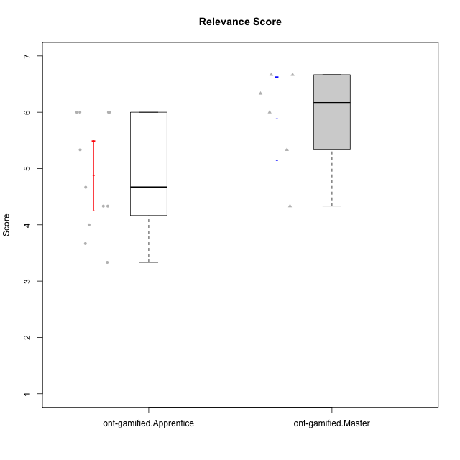

Student's t-Test data
UserID | Type | CLGroup | CLRole | PlayerRole | NroUSP | Item09IE | Item21IE | Item08IE | Item11IE | Item24IE | Item12IE | Item05PC | Item18PC | Item20PC | Item13PC | Item03PC | Item06PT | Item02PT | Item04PT | Item19EI | Item01EI | Item22EI | Item20A | Item25A | Item18A | Item07A | Item04A | Item01S | Item02S | Item09R | Item06R | Item12R | Interest/Enjoyment | Perceived Choice | Pressure/Tension | Effort/Importance | Attention | Relevance | Satisfaction | Intrinsic Motivation | Level of Motivation
10171 | ont-gamified | Mafia | Master | Social Achiever | 698531 | 6 | 7 | 6 | 6 | 5 | 5 | 2 | 2 | 1 | 2 | 2 | 1 | 2 | 2 | 1 | 1 | 6 | 6 | 5 | 6 | 5 | 5 | 6 | 6 | 2 | 2 | 7 | 5.8333333333 | 6.2 | 1.6666666667 | 6.6666666667 | 5.4 | 6.3333333333 | 6 | 6.1764705882 | 5.8
10175 | ont-gamified | Warriors | Master | Social Achiever | 10310700 | 4 | 4 | 4 | 4 | 4 | 4 | 1 | 1 | 1 | 1 | 3 | 1 | 1 | 1 | 1 | 1 | 4 | 5 | 5 | 5 | 6 | 6 | 6 | 6 | 2 | 1 | 7 | 4 | 6.6 | 1 | 6 | 5.4 | 6.6666666667 | 6 | 5.6470588235 | 5.9
10186 | ont-gamified | Slayers | Apprentice | Social Achiever | 10310551 | 4 | 3 | 6 | 6 | 3 | 1 | 4 | 4 | 1 | 4 | 4 | 4 | 5 | 4 | 1 | 1 | 7 | 4 | 1 | 4 | 1 | 4 | 7 | 7 | 3 | 1 | 6 | 3.8333333333 | 4.6 | 4.3333333333 | 7 | 2.8 | 6 | 7 | 4.5882352941 | 4.6
10188 | ont-gamified | Vandals | Master | Yee Achiever | 10276995 | 3 | 3 | 4 | 1 | 3 | 4 | 1 | 1 | 1 | 3 | 3 | 1 | 1 | 1 | 3 | 2 | 1 | 3 | 4 | 4 | 2 | 4 | 3 | 3 | 2 | 2 | 4 | 3 | 6.2 | 1 | 4 | 3.4 | 5.3333333333 | 3 | 4.8235294118 | 3.9
10189 | ont-gamified | Vikings | Apprentice | Social Achiever | 9363926 | 2 | 2 | 4 | 1 | 2 | 1 | 5 | 4 | 4 | 5 | 5 | 2 | 1 | 1 | 3 | 1 | 6 | 1 | 1 | 2 | 1 | 2 | 3 | 2 | 6 | 1 | 4 | 2 | 3.4 | 1.3333333333 | 6 | 1.4 | 4.3333333333 | 2.5 | 3.9411764706 | 2.5
10192 | ont-gamified | Attractive Devils | Apprentice | Social Achiever | 10276682 | 4 | 5 | 4 | 6 | 1 | 4 | 2 | 4 | 4 | 3 | 3 | 4 | 4 | 4 | 5 | 1 | 5 | 4 | 4 | 4 | 7 | 5 | 7 | 6 | 1 | 2 | 5 | 4 | 4.8 | 4 | 5 | 4.8 | 6 | 6.5 | 4.4117647059 | 5.5
10193 | ont-gamified | Vandals | Apprentice | Yee Achiever | 10276762 | 2 | 1 | 1 | 1 | 2 | 1 | 1 | 1 | 1 | 1 | 1 | 2 | 1 | 1 | 2 | 1 | 2 | 2 | 1 | 2 | 1 | 1 | 1 | 2 | 1 | 4 | 1 | 1.3333333333 | 7 | 1.3333333333 | 5 | 1.4 | 4 | 1.5 | 4.5882352941 | 2.2
10198 | ont-gamified | Attractive Devils | Apprentice | Social Achiever | 10310888 | 6 | 3 | 4 | 4 | 2 | 5 | 4 | 6 | 6 | 5 | 1 | 4 | 4 | 4 | 3 | 2 | 6 | 6 | 5 | 5 | 7 | 7 | 7 | 7 | 2 | 1 | 5 | 4 | 3.6 | 4 | 5.6666666667 | 6 | 6 | 7 | 4.1764705882 | 6.2
10200 | ont-gamified | Warriors | Apprentice | Social Achiever | 9795272 | 4 | 5 | 5 | 5 | 5 | 3 | 4 | 2 | 2 | 5 | 3 | 4 | 5 | 5 | 1 | 1 | 6 | 4 | 5 | 4 | 6 | 5 | 5 | 6 | 3 | 1 | 6 | 4.5 | 4.8 | 4.6666666667 | 6.6666666667 | 4.8 | 6 | 5.5 | 4.7647058824 | 5.3
10202 | ont-gamified | Silly Knights | Apprentice | Social Achiever | 10277036 | 3 | 3 | 3 | 3 | 3 | 3 | 2 | 5 | 2 | 2 | 3 | 3 | 3 | 3 | 2 | 2 | 5 | 2 | 3 | 2 | 2 | 4 | 5 | 5 | 3 | 2 | 5 | 3 | 5.2 | 3 | 5.6666666667 | 2.6 | 5.3333333333 | 5 | 4.4705882353 | 3.9
10203 | ont-gamified | Mercenaries | Apprentice | Social Achiever | 9921470 | 5 | 4 | 3 | 4 | 4 | 5 | 1 | 1 | 1 | 1 | 4 | 1 | 2 | 5 | 1 | 1 | 6 | 7 | 5 | 4 | 6 | 4 | 5 | 7 | 4 | 6 | 4 | 4.1666666667 | 6.4 | 2.6666666667 | 6.6666666667 | 5.2 | 3.3333333333 | 6 | 5.4705882353 | 4.8
10209 | ont-gamified | Mafia | Apprentice | Social Achiever | 10262669 | 2 | 2 | 2 | 4 | 2 | 2 | 7 | 7 | 7 | 7 | 7 | 1 | 2 | 1 | 3 | 2 | 2 | 1 | 2 | 2 | 2 | 3 | 2 | 2 | 4 | 3 | 4 | 2.3333333333 | 1 | 1.3333333333 | 4.3333333333 | 2 | 4.3333333333 | 2 | 3.0588235294 | 2.7
10214 | ont-gamified | Vikings | Apprentice | Social Achiever | 10277022 | 1 | 1 | 2 | 1 | 1 | 1 | 2 | 7 | 6 | 6 | 6 | 4 | 5 | 1 | 1 | 1 | 7 | 1 | 2 | 1 | 1 | 4 | 3 | 4 | 5 | 2 | 2 | 1.1666666667 | 2.6 | 3.3333333333 | 7 | 1.8 | 3.6666666667 | 3.5 | 3.2352941176 | 2.7
10216 | ont-gamified | Silly Knights | Master | Social Achiever | 10276720 | 5 | 4 | 4 | 3 | 5 | 7 | 2 | 1 | 3 | 2 | 3 | 1 | 1 | 1 | 2 | 1 | 4 | 5 | 6 | 4 | 2 | 4 | 5 | 5 | 2 | 1 | 7 | 4.6666666667 | 5.8 | 1 | 5.6666666667 | 4.2 | 6.6666666667 | 5 | 5.5882352941 | 5.1
10223 | ont-gamified | Slayers | Master | Social Achiever | 9795185 | 5 | 5 | 6 | 4 | 5 | 5 | 4 | 3 | 4 | 4 | 4 | 2 | 4 | 4 | 4 | 4 | 4 | 4 | 4 | 3 | 4 | 4 | 4 | 5 | 2 | 3 | 7 | 5 | 4.2 | 3.3333333333 | 4 | 3.8 | 6 | 4.5 | 4.5294117647 | 4.6
10230 | ont-gamified | Resistance | Master | Social Achiever | 10351992 | 4 | 5 | 5 | 4 | 5 | 4 | 4 | 3 | 5 | 3 | 5 | 6 | 5 | 4 | 2 | 3 | 5 | 2 | 4 | 3 | 6 | 6 | 4 | 6 | 3 | 4 | 4 | 4.5 | 4 | 5 | 5.3333333333 | 4.2 | 4.3333333333 | 5 | 4.2352941176 | 4.4
10237 | ont-gamified | Outlaws | Apprentice | Social Achiever | 10377688 | 3 | 5 | 3 | 3 | 6 | 4 | 3 | 3 | 4 | 3 | 6 | 4 | 6 | 5 | 4 | 2 | 5 | 3 | 3 | 4 | 5 | 3 | 3 | 4 | 4 | 3 | 5 | 4 | 4.2 | 5 | 5 | 3.6 | 4.6666666667 | 3.5 | 4.0588235294 | 3.9

Type_CLRole_2
Student's t-Test for Relevance Score in Type:CLRole between ont-gamified.Apprentice:w/o-gamified.Apprentice

Student's t-Test results
Alternative hypothesis: less
Group | N | Mean | Mean.Difference | Std.deviation | Std.error | CI.lower | CI.upper | df | t.value | p.value | g | magnitude
ont-gamified.Apprentice | 11 | 4.8787878788 | 0.078787878788 | 1.0249414864 | 0.30903148567 | 4.2607249074 | 5.4968508501 | 18.959036814 | 0.18083678131 | 0.57079259465 | 0.075648429739 | negligible
w/o-gamified.Apprentice | 10 | 4.8 | -0.078787878788 | 0.97118992815 | 0.30711722136 | 4.1857655573 | 5.4142344427 | 18.959036814 | 0.18083678131 | 0.57079259465 | 0.075648429739 | negligible
Alternative hypothesis: greater
Group | N | Mean | Mean.Difference | Std.deviation | Std.error | CI.lower | CI.upper | df | t.value | p.value | g | magnitude
ont-gamified.Apprentice | 11 | 4.8787878788 | 0.078787878788 | 1.0249414864 | 0.30903148567 | 4.2607249074 | 5.4968508501 | 18.959036814 | 0.18083678131 | 0.42920740535 | 0.075648429739 | negligible
w/o-gamified.Apprentice | 10 | 4.8 | -0.078787878788 | 0.97118992815 | 0.30711722136 | 4.1857655573 | 5.4142344427 | 18.959036814 | 0.18083678131 | 0.42920740535 | 0.075648429739 | negligible
Alternative hypothesis: two.sided
Group | N | Mean | Mean.Difference | Std.deviation | Std.error | CI.lower | CI.upper | df | t.value | p.value | g | magnitude
ont-gamified.Apprentice | 11 | 4.8787878788 | 0.078787878788 | 1.0249414864 | 0.30903148567 | 4.2607249074 | 5.4968508501 | 18.959036814 | 0.18083678131 | 0.8584148107 | 0.075648429739 | negligible
w/o-gamified.Apprentice | 10 | 4.8 | -0.078787878788 | 0.97118992815 | 0.30711722136 | 4.1857655573 | 5.4142344427 | 18.959036814 | 0.18083678131 | 0.8584148107 | 0.075648429739 | negligible

Box plots for Student's t-Test
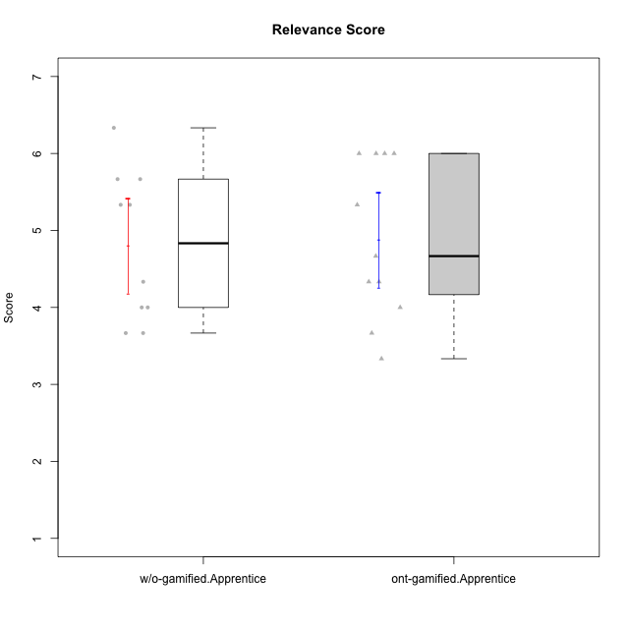

Student's t-Test data
UserID | Type | CLGroup | CLRole | PlayerRole | NroUSP | Item09IE | Item21IE | Item08IE | Item11IE | Item24IE | Item12IE | Item05PC | Item18PC | Item20PC | Item13PC | Item03PC | Item06PT | Item02PT | Item04PT | Item19EI | Item01EI | Item22EI | Item20A | Item25A | Item18A | Item07A | Item04A | Item01S | Item02S | Item09R | Item06R | Item12R | Interest/Enjoyment | Perceived Choice | Pressure/Tension | Effort/Importance | Attention | Relevance | Satisfaction | Intrinsic Motivation | Level of Motivation
10170 | w/o-gamified | Grupo11 | Apprentice |  | 10260351 | 4 | 4 | 6 | 4 | 4 | 3 | 2 | 1 | 3 | 2 | 3 | 1 | 1 | 1 | 3 | 3 | 5 | 6 | 5 | 6 | 5 | 4 | 4 | 4 | 2 | 1 | 6 | 4.1666666667 | 5.8 | 1 | 5 | 5.2 | 6.3333333333 | 4 | 5.2941176471 | 5.3
10183 | w/o-gamified | Grupo3 | Apprentice |  | 10352030 | 3 | 3 | 3 | 3 | 2 | 3 | 4 | 3 | 5 | 2 | 4 | 5 | 4 | 4 | 3 | 4 | 4 | 2 | 2 | 2 | 2 | 3 | 2 | 2 | 5 | 2 | 3 | 2.8333333333 | 4.4 | 4.3333333333 | 4.3333333333 | 2.2 | 4 | 2 | 3.7058823529 | 2.7
10184 | w/o-gamified | Grupo10 | Apprentice |  | 10276675 | 4 | 3 | 4 | 4 | 4 | 4 | 5 | 4 | 4 | 3 | 4 | 4 | 4 | 3 | 4 | 4 | 4 | 4 | 4 | 4 | 2 | 4 | 6 | 4 | 4 | 4 | 4 | 3.8333333333 | 4 | 3.6666666667 | 4 | 3.6 | 4 | 5 | 4 | 4
10185 | w/o-gamified | Grupo9 | Apprentice |  | 10276960 | 4 | 3 | 6 | 5 | 6 | 5 | 6 | 6 | 3 | 5 | 3 | 5 | 4 | 4 | 3 | 4 | 5 | 3 | 5 | 3 | 4 | 2 | 4 | 5 | 5 | 3 | 3 | 4.8333333333 | 3.4 | 4.3333333333 | 4.6666666667 | 3.4 | 3.6666666667 | 4.5 | 4.1764705882 | 3.7
10186 | ont-gamified | Slayers | Apprentice | Social Achiever | 10310551 | 4 | 3 | 6 | 6 | 3 | 1 | 4 | 4 | 1 | 4 | 4 | 4 | 5 | 4 | 1 | 1 | 7 | 4 | 1 | 4 | 1 | 4 | 7 | 7 | 3 | 1 | 6 | 3.8333333333 | 4.6 | 4.3333333333 | 7 | 2.8 | 6 | 7 | 4.5882352941 | 4.6
10189 | ont-gamified | Vikings | Apprentice | Social Achiever | 9363926 | 2 | 2 | 4 | 1 | 2 | 1 | 5 | 4 | 4 | 5 | 5 | 2 | 1 | 1 | 3 | 1 | 6 | 1 | 1 | 2 | 1 | 2 | 3 | 2 | 6 | 1 | 4 | 2 | 3.4 | 1.3333333333 | 6 | 1.4 | 4.3333333333 | 2.5 | 3.9411764706 | 2.5
10192 | ont-gamified | Attractive Devils | Apprentice | Social Achiever | 10276682 | 4 | 5 | 4 | 6 | 1 | 4 | 2 | 4 | 4 | 3 | 3 | 4 | 4 | 4 | 5 | 1 | 5 | 4 | 4 | 4 | 7 | 5 | 7 | 6 | 1 | 2 | 5 | 4 | 4.8 | 4 | 5 | 4.8 | 6 | 6.5 | 4.4117647059 | 5.5
10193 | ont-gamified | Vandals | Apprentice | Yee Achiever | 10276762 | 2 | 1 | 1 | 1 | 2 | 1 | 1 | 1 | 1 | 1 | 1 | 2 | 1 | 1 | 2 | 1 | 2 | 2 | 1 | 2 | 1 | 1 | 1 | 2 | 1 | 4 | 1 | 1.3333333333 | 7 | 1.3333333333 | 5 | 1.4 | 4 | 1.5 | 4.5882352941 | 2.2
10197 | w/o-gamified | Grupo8 | Apprentice |  | 10276661 | 3 | 2 | 5 | 5 | 2 | 4 | 3 | 2 | 4 | 4 | 2 | 5 | 3 | 3 | 3 | 3 | 4 | 4 | 4 | 7 | 5 | 4 | 4 | 4 | 5 | 4 | 4 | 3.5 | 5 | 3.6666666667 | 4.6666666667 | 4.8 | 3.6666666667 | 4 | 4.2941176471 | 4.3
10198 | ont-gamified | Attractive Devils | Apprentice | Social Achiever | 10310888 | 6 | 3 | 4 | 4 | 2 | 5 | 4 | 6 | 6 | 5 | 1 | 4 | 4 | 4 | 3 | 2 | 6 | 6 | 5 | 5 | 7 | 7 | 7 | 7 | 2 | 1 | 5 | 4 | 3.6 | 4 | 5.6666666667 | 6 | 6 | 7 | 4.1764705882 | 6.2
10200 | ont-gamified | Warriors | Apprentice | Social Achiever | 9795272 | 4 | 5 | 5 | 5 | 5 | 3 | 4 | 2 | 2 | 5 | 3 | 4 | 5 | 5 | 1 | 1 | 6 | 4 | 5 | 4 | 6 | 5 | 5 | 6 | 3 | 1 | 6 | 4.5 | 4.8 | 4.6666666667 | 6.6666666667 | 4.8 | 6 | 5.5 | 4.7647058824 | 5.3
10201 | w/o-gamified | Grupo11 | Apprentice |  | 10276928 | 5 | 6 | 6 | 5 | 3 | 6 | 3 | 4 | 4 | 3 | 5 | 4 | 3 | 2 | 3 | 3 | 5 | 6 | 5 | 6 | 6 | 4 | 6 | 5 | 4 | 2 | 6 | 5.1666666667 | 4.2 | 3 | 5 | 5.4 | 5.3333333333 | 5.5 | 4.8235294118 | 5.4
10202 | ont-gamified | Silly Knights | Apprentice | Social Achiever | 10277036 | 3 | 3 | 3 | 3 | 3 | 3 | 2 | 5 | 2 | 2 | 3 | 3 | 3 | 3 | 2 | 2 | 5 | 2 | 3 | 2 | 2 | 4 | 5 | 5 | 3 | 2 | 5 | 3 | 5.2 | 3 | 5.6666666667 | 2.6 | 5.3333333333 | 5 | 4.4705882353 | 3.9
10203 | ont-gamified | Mercenaries | Apprentice | Social Achiever | 9921470 | 5 | 4 | 3 | 4 | 4 | 5 | 1 | 1 | 1 | 1 | 4 | 1 | 2 | 5 | 1 | 1 | 6 | 7 | 5 | 4 | 6 | 4 | 5 | 7 | 4 | 6 | 4 | 4.1666666667 | 6.4 | 2.6666666667 | 6.6666666667 | 5.2 | 3.3333333333 | 6 | 5.4705882353 | 4.8
10206 | w/o-gamified | Grupo8 | Apprentice |  | 10310721 | 4 | 5 | 4 | 2 | 4 | 3 | 2 | 2 | 2 | 3 | 3 | 3 | 3 | 2 | 2 | 2 | 5 | 4 | 6 | 4 | 4 | 5 | 5 | 5 | 3 | 2 | 6 | 3.6666666667 | 5.6 | 2.6666666667 | 5.6666666667 | 4.6 | 5.6666666667 | 5 | 4.8823529412 | 5
10209 | ont-gamified | Mafia | Apprentice | Social Achiever | 10262669 | 2 | 2 | 2 | 4 | 2 | 2 | 7 | 7 | 7 | 7 | 7 | 1 | 2 | 1 | 3 | 2 | 2 | 1 | 2 | 2 | 2 | 3 | 2 | 2 | 4 | 3 | 4 | 2.3333333333 | 1 | 1.3333333333 | 4.3333333333 | 2 | 4.3333333333 | 2 | 3.0588235294 | 2.7
10213 | w/o-gamified | Grupo7 | Apprentice |  | 10277040 | 3 | 4 | 4 | 7 | 4 | 1 | 7 | 7 | 7 | 7 | 7 | 7 | 1 | 7 | 1 | 1 | 7 | 7 | 7 | 5 | 7 | 7 | 7 | 4 | 2 | 1 | 4 | 3.8333333333 | 1 | 5 | 7 | 6.6 | 5.6666666667 | 5.5 | 3.4117647059 | 6.1
10214 | ont-gamified | Vikings | Apprentice | Social Achiever | 10277022 | 1 | 1 | 2 | 1 | 1 | 1 | 2 | 7 | 6 | 6 | 6 | 4 | 5 | 1 | 1 | 1 | 7 | 1 | 2 | 1 | 1 | 4 | 3 | 4 | 5 | 2 | 2 | 1.1666666667 | 2.6 | 3.3333333333 | 7 | 1.8 | 3.6666666667 | 3.5 | 3.2352941176 | 2.7
10217 | w/o-gamified | Grupo9 | Apprentice |  | 9805341 | 5 | 5 | 5 | 3 | 4 | 4 | 5 | 4 | 2 | 4 | 4 | 1 | 1 | 1 | 4 | 3 | 2 | 4 | 4 | 3 | 4 | 5 | 4 | 4 | 3 | 3 | 6 | 4.3333333333 | 4.2 | 1 | 3.6666666667 | 4 | 5.3333333333 | 4 | 4.6470588235 | 4.4
10218 | w/o-gamified | Grupo10 | Apprentice |  | 9842913 | 4 | 4 | 4 | 4 | 4 | 4 | 5 | 5 | 4 | 4 | 4 | 4 | 4 | 5 | 4 | 4 | 5 | 4 | 4 | 3 | 5 | 3 | 4 | 3 | 3 | 4 | 4 | 4 | 3.6 | 4.3333333333 | 4.3333333333 | 3.8 | 4.3333333333 | 3.5 | 3.8823529412 | 3.9
10237 | ont-gamified | Outlaws | Apprentice | Social Achiever | 10377688 | 3 | 5 | 3 | 3 | 6 | 4 | 3 | 3 | 4 | 3 | 6 | 4 | 6 | 5 | 4 | 2 | 5 | 3 | 3 | 4 | 5 | 3 | 3 | 4 | 4 | 3 | 5 | 4 | 4.2 | 5 | 5 | 3.6 | 4.6666666667 | 3.5 | 4.0588235294 | 3.9

Type_CLRole_3
Student's t-Test for Relevance Score in Type:CLRole between ont-gamified.Apprentice:w/o-gamified.Master

Student's t-Test results
Alternative hypothesis: less
Group | N | Mean | Mean.Difference | Std.deviation | Std.error | CI.lower | CI.upper | df | t.value | p.value | g | magnitude
ont-gamified.Apprentice | 11 | 4.8787878788 | 0.74545454545 | 1.0249414864 | 0.30903148567 | 4.2607249074 | 5.4968508501 | 11.425746246 | 1.7054571417 | 0.94244204322 | 0.74839721158 | medium
w/o-gamified.Master | 5 | 4.1333333333 | -0.74545454545 | 0.69121471178 | 0.30912061652 | 3.5150921003 | 4.7515745664 | 11.425746246 | 1.7054571417 | 0.94244204322 | 0.74839721158 | medium
Alternative hypothesis: greater
Group | N | Mean | Mean.Difference | Std.deviation | Std.error | CI.lower | CI.upper | df | t.value | p.value | g | magnitude
ont-gamified.Apprentice | 11 | 4.8787878788 | 0.74545454545 | 1.0249414864 | 0.30903148567 | 4.2607249074 | 5.4968508501 | 11.425746246 | 1.7054571417 | 0.057557956784 | 0.74839721158 | medium
w/o-gamified.Master | 5 | 4.1333333333 | -0.74545454545 | 0.69121471178 | 0.30912061652 | 3.5150921003 | 4.7515745664 | 11.425746246 | 1.7054571417 | 0.057557956784 | 0.74839721158 | medium
Alternative hypothesis: two.sided
Group | N | Mean | Mean.Difference | Std.deviation | Std.error | CI.lower | CI.upper | df | t.value | p.value | g | magnitude
ont-gamified.Apprentice | 11 | 4.8787878788 | 0.74545454545 | 1.0249414864 | 0.30903148567 | 4.2607249074 | 5.4968508501 | 11.425746246 | 1.7054571417 | 0.11511591357 | 0.74839721158 | medium
w/o-gamified.Master | 5 | 4.1333333333 | -0.74545454545 | 0.69121471178 | 0.30912061652 | 3.5150921003 | 4.7515745664 | 11.425746246 | 1.7054571417 | 0.11511591357 | 0.74839721158 | medium

Box plots for Student's t-Test
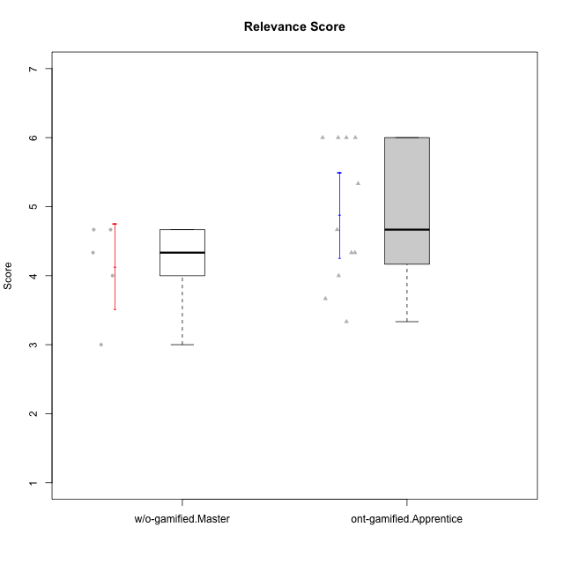

Student's t-Test data
UserID | Type | CLGroup | CLRole | PlayerRole | NroUSP | Item09IE | Item21IE | Item08IE | Item11IE | Item24IE | Item12IE | Item05PC | Item18PC | Item20PC | Item13PC | Item03PC | Item06PT | Item02PT | Item04PT | Item19EI | Item01EI | Item22EI | Item20A | Item25A | Item18A | Item07A | Item04A | Item01S | Item02S | Item09R | Item06R | Item12R | Interest/Enjoyment | Perceived Choice | Pressure/Tension | Effort/Importance | Attention | Relevance | Satisfaction | Intrinsic Motivation | Level of Motivation
10174 | w/o-gamified | Grupo7 | Master |  | 10276852 | 4 | 4 | 6 | 4 | 6 | 3 | 4 | 3 | 4 | 4 | 4 | 6 | 4 | 5 | 2 | 5 | 4 | 4 | 4 | 5 | 6 | 5 | 6 | 5 | 6 | 5 | 4 | 4.5 | 4.2 | 5 | 4.3333333333 | 4.8 | 3 | 5.5 | 4.1176470588 | 4.4
10179 | w/o-gamified | Grupo10 | Master |  | 10310759 | 3 | 4 | 3 | 2 | 4 | 6 | 6 | 5 | 4 | 5 | 7 | 2 | 1 | 1 | 1 | 2 | 5 | 4 | 4 | 4 | 2 | 5 | 3 | 4 | 4 | 2 | 4 | 3.6666666667 | 2.6 | 1.3333333333 | 6 | 3.8 | 4.6666666667 | 3.5 | 4.2941176471 | 4
10186 | ont-gamified | Slayers | Apprentice | Social Achiever | 10310551 | 4 | 3 | 6 | 6 | 3 | 1 | 4 | 4 | 1 | 4 | 4 | 4 | 5 | 4 | 1 | 1 | 7 | 4 | 1 | 4 | 1 | 4 | 7 | 7 | 3 | 1 | 6 | 3.8333333333 | 4.6 | 4.3333333333 | 7 | 2.8 | 6 | 7 | 4.5882352941 | 4.6
10189 | ont-gamified | Vikings | Apprentice | Social Achiever | 9363926 | 2 | 2 | 4 | 1 | 2 | 1 | 5 | 4 | 4 | 5 | 5 | 2 | 1 | 1 | 3 | 1 | 6 | 1 | 1 | 2 | 1 | 2 | 3 | 2 | 6 | 1 | 4 | 2 | 3.4 | 1.3333333333 | 6 | 1.4 | 4.3333333333 | 2.5 | 3.9411764706 | 2.5
10191 | w/o-gamified | Grupo1 | Master |  | 10276981 | 3 | 2 | 3 | 3 | 2 | 1 | 5 | 4 | 5 | 5 | 5 | 1 | 1 | 1 | 4 | 2 | 4 | 2 | 4 | 2 | 4 | 4 | 4 | 4 | 3 | 2 | 3 | 2.3333333333 | 3.2 | 1 | 4.6666666667 | 3.2 | 4.6666666667 | 4 | 3.8235294118 | 3.8
10192 | ont-gamified | Attractive Devils | Apprentice | Social Achiever | 10276682 | 4 | 5 | 4 | 6 | 1 | 4 | 2 | 4 | 4 | 3 | 3 | 4 | 4 | 4 | 5 | 1 | 5 | 4 | 4 | 4 | 7 | 5 | 7 | 6 | 1 | 2 | 5 | 4 | 4.8 | 4 | 5 | 4.8 | 6 | 6.5 | 4.4117647059 | 5.5
10193 | ont-gamified | Vandals | Apprentice | Yee Achiever | 10276762 | 2 | 1 | 1 | 1 | 2 | 1 | 1 | 1 | 1 | 1 | 1 | 2 | 1 | 1 | 2 | 1 | 2 | 2 | 1 | 2 | 1 | 1 | 1 | 2 | 1 | 4 | 1 | 1.3333333333 | 7 | 1.3333333333 | 5 | 1.4 | 4 | 1.5 | 4.5882352941 | 2.2
10198 | ont-gamified | Attractive Devils | Apprentice | Social Achiever | 10310888 | 6 | 3 | 4 | 4 | 2 | 5 | 4 | 6 | 6 | 5 | 1 | 4 | 4 | 4 | 3 | 2 | 6 | 6 | 5 | 5 | 7 | 7 | 7 | 7 | 2 | 1 | 5 | 4 | 3.6 | 4 | 5.6666666667 | 6 | 6 | 7 | 4.1764705882 | 6.2
10200 | ont-gamified | Warriors | Apprentice | Social Achiever | 9795272 | 4 | 5 | 5 | 5 | 5 | 3 | 4 | 2 | 2 | 5 | 3 | 4 | 5 | 5 | 1 | 1 | 6 | 4 | 5 | 4 | 6 | 5 | 5 | 6 | 3 | 1 | 6 | 4.5 | 4.8 | 4.6666666667 | 6.6666666667 | 4.8 | 6 | 5.5 | 4.7647058824 | 5.3
10202 | ont-gamified | Silly Knights | Apprentice | Social Achiever | 10277036 | 3 | 3 | 3 | 3 | 3 | 3 | 2 | 5 | 2 | 2 | 3 | 3 | 3 | 3 | 2 | 2 | 5 | 2 | 3 | 2 | 2 | 4 | 5 | 5 | 3 | 2 | 5 | 3 | 5.2 | 3 | 5.6666666667 | 2.6 | 5.3333333333 | 5 | 4.4705882353 | 3.9
10203 | ont-gamified | Mercenaries | Apprentice | Social Achiever | 9921470 | 5 | 4 | 3 | 4 | 4 | 5 | 1 | 1 | 1 | 1 | 4 | 1 | 2 | 5 | 1 | 1 | 6 | 7 | 5 | 4 | 6 | 4 | 5 | 7 | 4 | 6 | 4 | 4.1666666667 | 6.4 | 2.6666666667 | 6.6666666667 | 5.2 | 3.3333333333 | 6 | 5.4705882353 | 4.8
10209 | ont-gamified | Mafia | Apprentice | Social Achiever | 10262669 | 2 | 2 | 2 | 4 | 2 | 2 | 7 | 7 | 7 | 7 | 7 | 1 | 2 | 1 | 3 | 2 | 2 | 1 | 2 | 2 | 2 | 3 | 2 | 2 | 4 | 3 | 4 | 2.3333333333 | 1 | 1.3333333333 | 4.3333333333 | 2 | 4.3333333333 | 2 | 3.0588235294 | 2.7
10214 | ont-gamified | Vikings | Apprentice | Social Achiever | 10277022 | 1 | 1 | 2 | 1 | 1 | 1 | 2 | 7 | 6 | 6 | 6 | 4 | 5 | 1 | 1 | 1 | 7 | 1 | 2 | 1 | 1 | 4 | 3 | 4 | 5 | 2 | 2 | 1.1666666667 | 2.6 | 3.3333333333 | 7 | 1.8 | 3.6666666667 | 3.5 | 3.2352941176 | 2.7
10219 | w/o-gamified | Grupo3 | Master |  | 10276831 | 2 | 1 | 1 | 1 | 2 | 4 | 7 | 4 | 7 | 1 | 7 | 1 | 1 | 1 | 7 | 5 | 2 | 2 | 2 | 3 | 3 | 2 | 1 | 1 | 5 | 1 | 2 | 1.8333333333 | 2.8 | 1 | 2 | 2.4 | 4 | 1 | 3.0588235294 | 2.6
10231 | w/o-gamified | Grupo9 | Master |  | 10276911 | 4 | 4 | 4 | 4 | 5 | 6 | 1 | 2 | 2 | 2 | 1 | 1 | 1 | 1 | 4 | 3 | 1 | 4 | 4 | 4 | 4 | 4 | 7 | 5 | 4 | 4 | 5 | 4.5 | 6.4 | 1 | 3.3333333333 | 4 | 4.3333333333 | 6 | 5.2941176471 | 4.5
10237 | ont-gamified | Outlaws | Apprentice | Social Achiever | 10377688 | 3 | 5 | 3 | 3 | 6 | 4 | 3 | 3 | 4 | 3 | 6 | 4 | 6 | 5 | 4 | 2 | 5 | 3 | 3 | 4 | 5 | 3 | 3 | 4 | 4 | 3 | 5 | 4 | 4.2 | 5 | 5 | 3.6 | 4.6666666667 | 3.5 | 4.0588235294 | 3.9

Type_CLRole_4
Student's t-Test for Relevance Score in Type:CLRole between ont-gamified.Master:w/o-gamified.Apprentice

Student's t-Test results
Alternative hypothesis: less
Group | N | Mean | Mean.Difference | Std.deviation | Std.error | CI.lower | CI.upper | df | t.value | p.value | g | magnitude
ont-gamified.Master | 6 | 5.8888888889 | 1.0888888889 | 0.91084006809 | 0.37184890068 | 5.1451910875 | 6.6325866903 | 11.241879269 | 2.2578008202 | 0.97761070064 | 1.0835915485 | large
w/o-gamified.Apprentice | 10 | 4.8 | -1.0888888889 | 0.97118992815 | 0.30711722136 | 4.1857655573 | 5.4142344427 | 11.241879269 | 2.2578008202 | 0.97761070064 | 1.0835915485 | large
Alternative hypothesis: greater
Group | N | Mean | Mean.Difference | Std.deviation | Std.error | CI.lower | CI.upper | df | t.value | p.value | g | magnitude
ont-gamified.Master | 6 | 5.8888888889 | 1.0888888889 | 0.91084006809 | 0.37184890068 | 5.1451910875 | 6.6325866903 | 11.241879269 | 2.2578008202 | 0.022389299359 | 1.0835915485 | large
w/o-gamified.Apprentice | 10 | 4.8 | -1.0888888889 | 0.97118992815 | 0.30711722136 | 4.1857655573 | 5.4142344427 | 11.241879269 | 2.2578008202 | 0.022389299359 | 1.0835915485 | large
Alternative hypothesis: two.sided
Group | N | Mean | Mean.Difference | Std.deviation | Std.error | CI.lower | CI.upper | df | t.value | p.value | g | magnitude
ont-gamified.Master | 6 | 5.8888888889 | 1.0888888889 | 0.91084006809 | 0.37184890068 | 5.1451910875 | 6.6325866903 | 11.241879269 | 2.2578008202 | 0.044778598718 | 1.0835915485 | large
w/o-gamified.Apprentice | 10 | 4.8 | -1.0888888889 | 0.97118992815 | 0.30711722136 | 4.1857655573 | 5.4142344427 | 11.241879269 | 2.2578008202 | 0.044778598718 | 1.0835915485 | large

Box plots for Student's t-Test


Student's t-Test data
UserID | Type | CLGroup | CLRole | PlayerRole | NroUSP | Item09IE | Item21IE | Item08IE | Item11IE | Item24IE | Item12IE | Item05PC | Item18PC | Item20PC | Item13PC | Item03PC | Item06PT | Item02PT | Item04PT | Item19EI | Item01EI | Item22EI | Item20A | Item25A | Item18A | Item07A | Item04A | Item01S | Item02S | Item09R | Item06R | Item12R | Interest/Enjoyment | Perceived Choice | Pressure/Tension | Effort/Importance | Attention | Relevance | Satisfaction | Intrinsic Motivation | Level of Motivation
10170 | w/o-gamified | Grupo11 | Apprentice |  | 10260351 | 4 | 4 | 6 | 4 | 4 | 3 | 2 | 1 | 3 | 2 | 3 | 1 | 1 | 1 | 3 | 3 | 5 | 6 | 5 | 6 | 5 | 4 | 4 | 4 | 2 | 1 | 6 | 4.1666666667 | 5.8 | 1 | 5 | 5.2 | 6.3333333333 | 4 | 5.2941176471 | 5.3
10171 | ont-gamified | Mafia | Master | Social Achiever | 698531 | 6 | 7 | 6 | 6 | 5 | 5 | 2 | 2 | 1 | 2 | 2 | 1 | 2 | 2 | 1 | 1 | 6 | 6 | 5 | 6 | 5 | 5 | 6 | 6 | 2 | 2 | 7 | 5.8333333333 | 6.2 | 1.6666666667 | 6.6666666667 | 5.4 | 6.3333333333 | 6 | 6.1764705882 | 5.8
10175 | ont-gamified | Warriors | Master | Social Achiever | 10310700 | 4 | 4 | 4 | 4 | 4 | 4 | 1 | 1 | 1 | 1 | 3 | 1 | 1 | 1 | 1 | 1 | 4 | 5 | 5 | 5 | 6 | 6 | 6 | 6 | 2 | 1 | 7 | 4 | 6.6 | 1 | 6 | 5.4 | 6.6666666667 | 6 | 5.6470588235 | 5.9
10183 | w/o-gamified | Grupo3 | Apprentice |  | 10352030 | 3 | 3 | 3 | 3 | 2 | 3 | 4 | 3 | 5 | 2 | 4 | 5 | 4 | 4 | 3 | 4 | 4 | 2 | 2 | 2 | 2 | 3 | 2 | 2 | 5 | 2 | 3 | 2.8333333333 | 4.4 | 4.3333333333 | 4.3333333333 | 2.2 | 4 | 2 | 3.7058823529 | 2.7
10184 | w/o-gamified | Grupo10 | Apprentice |  | 10276675 | 4 | 3 | 4 | 4 | 4 | 4 | 5 | 4 | 4 | 3 | 4 | 4 | 4 | 3 | 4 | 4 | 4 | 4 | 4 | 4 | 2 | 4 | 6 | 4 | 4 | 4 | 4 | 3.8333333333 | 4 | 3.6666666667 | 4 | 3.6 | 4 | 5 | 4 | 4
10185 | w/o-gamified | Grupo9 | Apprentice |  | 10276960 | 4 | 3 | 6 | 5 | 6 | 5 | 6 | 6 | 3 | 5 | 3 | 5 | 4 | 4 | 3 | 4 | 5 | 3 | 5 | 3 | 4 | 2 | 4 | 5 | 5 | 3 | 3 | 4.8333333333 | 3.4 | 4.3333333333 | 4.6666666667 | 3.4 | 3.6666666667 | 4.5 | 4.1764705882 | 3.7
10188 | ont-gamified | Vandals | Master | Yee Achiever | 10276995 | 3 | 3 | 4 | 1 | 3 | 4 | 1 | 1 | 1 | 3 | 3 | 1 | 1 | 1 | 3 | 2 | 1 | 3 | 4 | 4 | 2 | 4 | 3 | 3 | 2 | 2 | 4 | 3 | 6.2 | 1 | 4 | 3.4 | 5.3333333333 | 3 | 4.8235294118 | 3.9
10197 | w/o-gamified | Grupo8 | Apprentice |  | 10276661 | 3 | 2 | 5 | 5 | 2 | 4 | 3 | 2 | 4 | 4 | 2 | 5 | 3 | 3 | 3 | 3 | 4 | 4 | 4 | 7 | 5 | 4 | 4 | 4 | 5 | 4 | 4 | 3.5 | 5 | 3.6666666667 | 4.6666666667 | 4.8 | 3.6666666667 | 4 | 4.2941176471 | 4.3
10201 | w/o-gamified | Grupo11 | Apprentice |  | 10276928 | 5 | 6 | 6 | 5 | 3 | 6 | 3 | 4 | 4 | 3 | 5 | 4 | 3 | 2 | 3 | 3 | 5 | 6 | 5 | 6 | 6 | 4 | 6 | 5 | 4 | 2 | 6 | 5.1666666667 | 4.2 | 3 | 5 | 5.4 | 5.3333333333 | 5.5 | 4.8235294118 | 5.4
10206 | w/o-gamified | Grupo8 | Apprentice |  | 10310721 | 4 | 5 | 4 | 2 | 4 | 3 | 2 | 2 | 2 | 3 | 3 | 3 | 3 | 2 | 2 | 2 | 5 | 4 | 6 | 4 | 4 | 5 | 5 | 5 | 3 | 2 | 6 | 3.6666666667 | 5.6 | 2.6666666667 | 5.6666666667 | 4.6 | 5.6666666667 | 5 | 4.8823529412 | 5
10213 | w/o-gamified | Grupo7 | Apprentice |  | 10277040 | 3 | 4 | 4 | 7 | 4 | 1 | 7 | 7 | 7 | 7 | 7 | 7 | 1 | 7 | 1 | 1 | 7 | 7 | 7 | 5 | 7 | 7 | 7 | 4 | 2 | 1 | 4 | 3.8333333333 | 1 | 5 | 7 | 6.6 | 5.6666666667 | 5.5 | 3.4117647059 | 6.1
10216 | ont-gamified | Silly Knights | Master | Social Achiever | 10276720 | 5 | 4 | 4 | 3 | 5 | 7 | 2 | 1 | 3 | 2 | 3 | 1 | 1 | 1 | 2 | 1 | 4 | 5 | 6 | 4 | 2 | 4 | 5 | 5 | 2 | 1 | 7 | 4.6666666667 | 5.8 | 1 | 5.6666666667 | 4.2 | 6.6666666667 | 5 | 5.5882352941 | 5.1
10217 | w/o-gamified | Grupo9 | Apprentice |  | 9805341 | 5 | 5 | 5 | 3 | 4 | 4 | 5 | 4 | 2 | 4 | 4 | 1 | 1 | 1 | 4 | 3 | 2 | 4 | 4 | 3 | 4 | 5 | 4 | 4 | 3 | 3 | 6 | 4.3333333333 | 4.2 | 1 | 3.6666666667 | 4 | 5.3333333333 | 4 | 4.6470588235 | 4.4
10218 | w/o-gamified | Grupo10 | Apprentice |  | 9842913 | 4 | 4 | 4 | 4 | 4 | 4 | 5 | 5 | 4 | 4 | 4 | 4 | 4 | 5 | 4 | 4 | 5 | 4 | 4 | 3 | 5 | 3 | 4 | 3 | 3 | 4 | 4 | 4 | 3.6 | 4.3333333333 | 4.3333333333 | 3.8 | 4.3333333333 | 3.5 | 3.8823529412 | 3.9
10223 | ont-gamified | Slayers | Master | Social Achiever | 9795185 | 5 | 5 | 6 | 4 | 5 | 5 | 4 | 3 | 4 | 4 | 4 | 2 | 4 | 4 | 4 | 4 | 4 | 4 | 4 | 3 | 4 | 4 | 4 | 5 | 2 | 3 | 7 | 5 | 4.2 | 3.3333333333 | 4 | 3.8 | 6 | 4.5 | 4.5294117647 | 4.6
10230 | ont-gamified | Resistance | Master | Social Achiever | 10351992 | 4 | 5 | 5 | 4 | 5 | 4 | 4 | 3 | 5 | 3 | 5 | 6 | 5 | 4 | 2 | 3 | 5 | 2 | 4 | 3 | 6 | 6 | 4 | 6 | 3 | 4 | 4 | 4.5 | 4 | 5 | 5.3333333333 | 4.2 | 4.3333333333 | 5 | 4.2352941176 | 4.4

Type_CLRole_5
Student's t-Test for Relevance Score in Type:CLRole between ont-gamified.Master:w/o-gamified.Master

Student's t-Test results
Alternative hypothesis: less
Group | N | Mean | Mean.Difference | Std.deviation | Std.error | CI.lower | CI.upper | df | t.value | p.value | g | magnitude
ont-gamified.Master | 6 | 5.8888888889 | 1.7555555556 | 0.91084006809 | 0.37184890068 | 5.1451910875 | 6.6325866903 | 8.9535628443 | 3.630505505 | 0.99723566127 | 1.9561763257 | large
w/o-gamified.Master | 5 | 4.1333333333 | -1.7555555556 | 0.69121471178 | 0.30912061652 | 3.5150921003 | 4.7515745664 | 8.9535628443 | 3.630505505 | 0.99723566127 | 1.9561763257 | large
Alternative hypothesis: greater
Group | N | Mean | Mean.Difference | Std.deviation | Std.error | CI.lower | CI.upper | df | t.value | p.value | g | magnitude
ont-gamified.Master | 6 | 5.8888888889 | 1.7555555556 | 0.91084006809 | 0.37184890068 | 5.1451910875 | 6.6325866903 | 8.9535628443 | 3.630505505 | 0.002764338734 | 1.9561763257 | large
w/o-gamified.Master | 5 | 4.1333333333 | -1.7555555556 | 0.69121471178 | 0.30912061652 | 3.5150921003 | 4.7515745664 | 8.9535628443 | 3.630505505 | 0.002764338734 | 1.9561763257 | large
Alternative hypothesis: two.sided
Group | N | Mean | Mean.Difference | Std.deviation | Std.error | CI.lower | CI.upper | df | t.value | p.value | g | magnitude
ont-gamified.Master | 6 | 5.8888888889 | 1.7555555556 | 0.91084006809 | 0.37184890068 | 5.1451910875 | 6.6325866903 | 8.9535628443 | 3.630505505 | 0.0055286774681 | 1.9561763257 | large
w/o-gamified.Master | 5 | 4.1333333333 | -1.7555555556 | 0.69121471178 | 0.30912061652 | 3.5150921003 | 4.7515745664 | 8.9535628443 | 3.630505505 | 0.0055286774681 | 1.9561763257 | large

Box plots for Student's t-Test
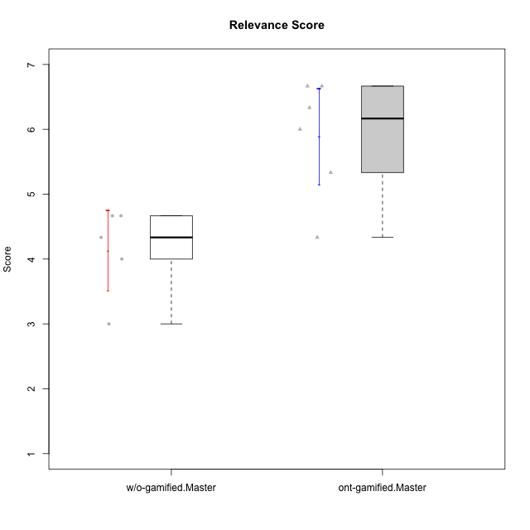

Student's t-Test data
UserID | Type | CLGroup | CLRole | PlayerRole | NroUSP | Item09IE | Item21IE | Item08IE | Item11IE | Item24IE | Item12IE | Item05PC | Item18PC | Item20PC | Item13PC | Item03PC | Item06PT | Item02PT | Item04PT | Item19EI | Item01EI | Item22EI | Item20A | Item25A | Item18A | Item07A | Item04A | Item01S | Item02S | Item09R | Item06R | Item12R | Interest/Enjoyment | Perceived Choice | Pressure/Tension | Effort/Importance | Attention | Relevance | Satisfaction | Intrinsic Motivation | Level of Motivation
10171 | ont-gamified | Mafia | Master | Social Achiever | 698531 | 6 | 7 | 6 | 6 | 5 | 5 | 2 | 2 | 1 | 2 | 2 | 1 | 2 | 2 | 1 | 1 | 6 | 6 | 5 | 6 | 5 | 5 | 6 | 6 | 2 | 2 | 7 | 5.8333333333 | 6.2 | 1.6666666667 | 6.6666666667 | 5.4 | 6.3333333333 | 6 | 6.1764705882 | 5.8
10174 | w/o-gamified | Grupo7 | Master |  | 10276852 | 4 | 4 | 6 | 4 | 6 | 3 | 4 | 3 | 4 | 4 | 4 | 6 | 4 | 5 | 2 | 5 | 4 | 4 | 4 | 5 | 6 | 5 | 6 | 5 | 6 | 5 | 4 | 4.5 | 4.2 | 5 | 4.3333333333 | 4.8 | 3 | 5.5 | 4.1176470588 | 4.4
10175 | ont-gamified | Warriors | Master | Social Achiever | 10310700 | 4 | 4 | 4 | 4 | 4 | 4 | 1 | 1 | 1 | 1 | 3 | 1 | 1 | 1 | 1 | 1 | 4 | 5 | 5 | 5 | 6 | 6 | 6 | 6 | 2 | 1 | 7 | 4 | 6.6 | 1 | 6 | 5.4 | 6.6666666667 | 6 | 5.6470588235 | 5.9
10179 | w/o-gamified | Grupo10 | Master |  | 10310759 | 3 | 4 | 3 | 2 | 4 | 6 | 6 | 5 | 4 | 5 | 7 | 2 | 1 | 1 | 1 | 2 | 5 | 4 | 4 | 4 | 2 | 5 | 3 | 4 | 4 | 2 | 4 | 3.6666666667 | 2.6 | 1.3333333333 | 6 | 3.8 | 4.6666666667 | 3.5 | 4.2941176471 | 4
10188 | ont-gamified | Vandals | Master | Yee Achiever | 10276995 | 3 | 3 | 4 | 1 | 3 | 4 | 1 | 1 | 1 | 3 | 3 | 1 | 1 | 1 | 3 | 2 | 1 | 3 | 4 | 4 | 2 | 4 | 3 | 3 | 2 | 2 | 4 | 3 | 6.2 | 1 | 4 | 3.4 | 5.3333333333 | 3 | 4.8235294118 | 3.9
10191 | w/o-gamified | Grupo1 | Master |  | 10276981 | 3 | 2 | 3 | 3 | 2 | 1 | 5 | 4 | 5 | 5 | 5 | 1 | 1 | 1 | 4 | 2 | 4 | 2 | 4 | 2 | 4 | 4 | 4 | 4 | 3 | 2 | 3 | 2.3333333333 | 3.2 | 1 | 4.6666666667 | 3.2 | 4.6666666667 | 4 | 3.8235294118 | 3.8
10216 | ont-gamified | Silly Knights | Master | Social Achiever | 10276720 | 5 | 4 | 4 | 3 | 5 | 7 | 2 | 1 | 3 | 2 | 3 | 1 | 1 | 1 | 2 | 1 | 4 | 5 | 6 | 4 | 2 | 4 | 5 | 5 | 2 | 1 | 7 | 4.6666666667 | 5.8 | 1 | 5.6666666667 | 4.2 | 6.6666666667 | 5 | 5.5882352941 | 5.1
10219 | w/o-gamified | Grupo3 | Master |  | 10276831 | 2 | 1 | 1 | 1 | 2 | 4 | 7 | 4 | 7 | 1 | 7 | 1 | 1 | 1 | 7 | 5 | 2 | 2 | 2 | 3 | 3 | 2 | 1 | 1 | 5 | 1 | 2 | 1.8333333333 | 2.8 | 1 | 2 | 2.4 | 4 | 1 | 3.0588235294 | 2.6
10223 | ont-gamified | Slayers | Master | Social Achiever | 9795185 | 5 | 5 | 6 | 4 | 5 | 5 | 4 | 3 | 4 | 4 | 4 | 2 | 4 | 4 | 4 | 4 | 4 | 4 | 4 | 3 | 4 | 4 | 4 | 5 | 2 | 3 | 7 | 5 | 4.2 | 3.3333333333 | 4 | 3.8 | 6 | 4.5 | 4.5294117647 | 4.6
10230 | ont-gamified | Resistance | Master | Social Achiever | 10351992 | 4 | 5 | 5 | 4 | 5 | 4 | 4 | 3 | 5 | 3 | 5 | 6 | 5 | 4 | 2 | 3 | 5 | 2 | 4 | 3 | 6 | 6 | 4 | 6 | 3 | 4 | 4 | 4.5 | 4 | 5 | 5.3333333333 | 4.2 | 4.3333333333 | 5 | 4.2352941176 | 4.4
10231 | w/o-gamified | Grupo9 | Master |  | 10276911 | 4 | 4 | 4 | 4 | 5 | 6 | 1 | 2 | 2 | 2 | 1 | 1 | 1 | 1 | 4 | 3 | 1 | 4 | 4 | 4 | 4 | 4 | 7 | 5 | 4 | 4 | 5 | 4.5 | 6.4 | 1 | 3.3333333333 | 4 | 4.3333333333 | 6 | 5.2941176471 | 4.5

Type_CLRole_6
Student's t-Test for Relevance Score in Type:CLRole between w/o-gamified.Apprentice:w/o-gamified.Master

Student's t-Test results
Alternative hypothesis: less
Group | N | Mean | Mean.Difference | Std.deviation | Std.error | CI.lower | CI.upper | df | t.value | p.value | g | magnitude
w/o-gamified.Apprentice | 10 | 4.8 | 0.66666666667 | 0.97118992815 | 0.30711722136 | 4.1857655573 | 5.4142344427 | 11.021333939 | 1.5299353616 | 0.92289284571 | 0.70151152235 | medium
w/o-gamified.Master | 5 | 4.1333333333 | -0.66666666667 | 0.69121471178 | 0.30912061652 | 3.5150921003 | 4.7515745664 | 11.021333939 | 1.5299353616 | 0.92289284571 | 0.70151152235 | medium
Alternative hypothesis: greater
Group | N | Mean | Mean.Difference | Std.deviation | Std.error | CI.lower | CI.upper | df | t.value | p.value | g | magnitude
w/o-gamified.Apprentice | 10 | 4.8 | 0.66666666667 | 0.97118992815 | 0.30711722136 | 4.1857655573 | 5.4142344427 | 11.021333939 | 1.5299353616 | 0.077107154287 | 0.70151152235 | medium
w/o-gamified.Master | 5 | 4.1333333333 | -0.66666666667 | 0.69121471178 | 0.30912061652 | 3.5150921003 | 4.7515745664 | 11.021333939 | 1.5299353616 | 0.077107154287 | 0.70151152235 | medium
Alternative hypothesis: two.sided
Group | N | Mean | Mean.Difference | Std.deviation | Std.error | CI.lower | CI.upper | df | t.value | p.value | g | magnitude
w/o-gamified.Apprentice | 10 | 4.8 | 0.66666666667 | 0.97118992815 | 0.30711722136 | 4.1857655573 | 5.4142344427 | 11.021333939 | 1.5299353616 | 0.15421430857 | 0.70151152235 | medium
w/o-gamified.Master | 5 | 4.1333333333 | -0.66666666667 | 0.69121471178 | 0.30912061652 | 3.5150921003 | 4.7515745664 | 11.021333939 | 1.5299353616 | 0.15421430857 | 0.70151152235 | medium

Box plots for Student's t-Test
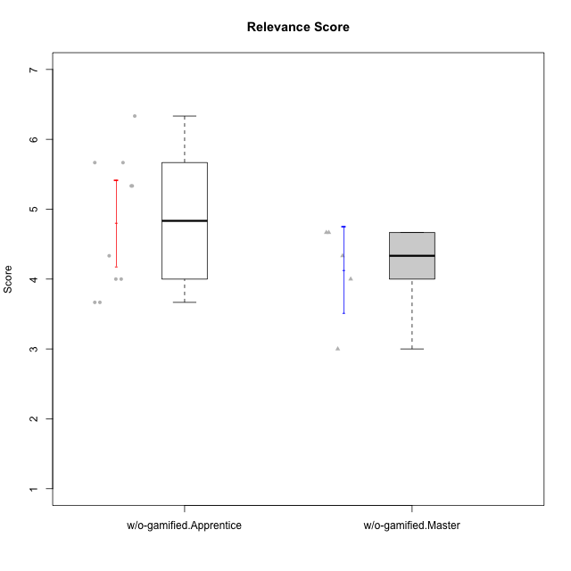

Student's t-Test data
UserID | Type | CLGroup | CLRole | PlayerRole | NroUSP | Item09IE | Item21IE | Item08IE | Item11IE | Item24IE | Item12IE | Item05PC | Item18PC | Item20PC | Item13PC | Item03PC | Item06PT | Item02PT | Item04PT | Item19EI | Item01EI | Item22EI | Item20A | Item25A | Item18A | Item07A | Item04A | Item01S | Item02S | Item09R | Item06R | Item12R | Interest/Enjoyment | Perceived Choice | Pressure/Tension | Effort/Importance | Attention | Relevance | Satisfaction | Intrinsic Motivation | Level of Motivation
10170 | w/o-gamified | Grupo11 | Apprentice |  | 10260351 | 4 | 4 | 6 | 4 | 4 | 3 | 2 | 1 | 3 | 2 | 3 | 1 | 1 | 1 | 3 | 3 | 5 | 6 | 5 | 6 | 5 | 4 | 4 | 4 | 2 | 1 | 6 | 4.1666666667 | 5.8 | 1 | 5 | 5.2 | 6.3333333333 | 4 | 5.2941176471 | 5.3
10174 | w/o-gamified | Grupo7 | Master |  | 10276852 | 4 | 4 | 6 | 4 | 6 | 3 | 4 | 3 | 4 | 4 | 4 | 6 | 4 | 5 | 2 | 5 | 4 | 4 | 4 | 5 | 6 | 5 | 6 | 5 | 6 | 5 | 4 | 4.5 | 4.2 | 5 | 4.3333333333 | 4.8 | 3 | 5.5 | 4.1176470588 | 4.4
10179 | w/o-gamified | Grupo10 | Master |  | 10310759 | 3 | 4 | 3 | 2 | 4 | 6 | 6 | 5 | 4 | 5 | 7 | 2 | 1 | 1 | 1 | 2 | 5 | 4 | 4 | 4 | 2 | 5 | 3 | 4 | 4 | 2 | 4 | 3.6666666667 | 2.6 | 1.3333333333 | 6 | 3.8 | 4.6666666667 | 3.5 | 4.2941176471 | 4
10183 | w/o-gamified | Grupo3 | Apprentice |  | 10352030 | 3 | 3 | 3 | 3 | 2 | 3 | 4 | 3 | 5 | 2 | 4 | 5 | 4 | 4 | 3 | 4 | 4 | 2 | 2 | 2 | 2 | 3 | 2 | 2 | 5 | 2 | 3 | 2.8333333333 | 4.4 | 4.3333333333 | 4.3333333333 | 2.2 | 4 | 2 | 3.7058823529 | 2.7
10184 | w/o-gamified | Grupo10 | Apprentice |  | 10276675 | 4 | 3 | 4 | 4 | 4 | 4 | 5 | 4 | 4 | 3 | 4 | 4 | 4 | 3 | 4 | 4 | 4 | 4 | 4 | 4 | 2 | 4 | 6 | 4 | 4 | 4 | 4 | 3.8333333333 | 4 | 3.6666666667 | 4 | 3.6 | 4 | 5 | 4 | 4
10185 | w/o-gamified | Grupo9 | Apprentice |  | 10276960 | 4 | 3 | 6 | 5 | 6 | 5 | 6 | 6 | 3 | 5 | 3 | 5 | 4 | 4 | 3 | 4 | 5 | 3 | 5 | 3 | 4 | 2 | 4 | 5 | 5 | 3 | 3 | 4.8333333333 | 3.4 | 4.3333333333 | 4.6666666667 | 3.4 | 3.6666666667 | 4.5 | 4.1764705882 | 3.7
10191 | w/o-gamified | Grupo1 | Master |  | 10276981 | 3 | 2 | 3 | 3 | 2 | 1 | 5 | 4 | 5 | 5 | 5 | 1 | 1 | 1 | 4 | 2 | 4 | 2 | 4 | 2 | 4 | 4 | 4 | 4 | 3 | 2 | 3 | 2.3333333333 | 3.2 | 1 | 4.6666666667 | 3.2 | 4.6666666667 | 4 | 3.8235294118 | 3.8
10197 | w/o-gamified | Grupo8 | Apprentice |  | 10276661 | 3 | 2 | 5 | 5 | 2 | 4 | 3 | 2 | 4 | 4 | 2 | 5 | 3 | 3 | 3 | 3 | 4 | 4 | 4 | 7 | 5 | 4 | 4 | 4 | 5 | 4 | 4 | 3.5 | 5 | 3.6666666667 | 4.6666666667 | 4.8 | 3.6666666667 | 4 | 4.2941176471 | 4.3
10201 | w/o-gamified | Grupo11 | Apprentice |  | 10276928 | 5 | 6 | 6 | 5 | 3 | 6 | 3 | 4 | 4 | 3 | 5 | 4 | 3 | 2 | 3 | 3 | 5 | 6 | 5 | 6 | 6 | 4 | 6 | 5 | 4 | 2 | 6 | 5.1666666667 | 4.2 | 3 | 5 | 5.4 | 5.3333333333 | 5.5 | 4.8235294118 | 5.4
10206 | w/o-gamified | Grupo8 | Apprentice |  | 10310721 | 4 | 5 | 4 | 2 | 4 | 3 | 2 | 2 | 2 | 3 | 3 | 3 | 3 | 2 | 2 | 2 | 5 | 4 | 6 | 4 | 4 | 5 | 5 | 5 | 3 | 2 | 6 | 3.6666666667 | 5.6 | 2.6666666667 | 5.6666666667 | 4.6 | 5.6666666667 | 5 | 4.8823529412 | 5
10213 | w/o-gamified | Grupo7 | Apprentice |  | 10277040 | 3 | 4 | 4 | 7 | 4 | 1 | 7 | 7 | 7 | 7 | 7 | 7 | 1 | 7 | 1 | 1 | 7 | 7 | 7 | 5 | 7 | 7 | 7 | 4 | 2 | 1 | 4 | 3.8333333333 | 1 | 5 | 7 | 6.6 | 5.6666666667 | 5.5 | 3.4117647059 | 6.1
10217 | w/o-gamified | Grupo9 | Apprentice |  | 9805341 | 5 | 5 | 5 | 3 | 4 | 4 | 5 | 4 | 2 | 4 | 4 | 1 | 1 | 1 | 4 | 3 | 2 | 4 | 4 | 3 | 4 | 5 | 4 | 4 | 3 | 3 | 6 | 4.3333333333 | 4.2 | 1 | 3.6666666667 | 4 | 5.3333333333 | 4 | 4.6470588235 | 4.4
10218 | w/o-gamified | Grupo10 | Apprentice |  | 9842913 | 4 | 4 | 4 | 4 | 4 | 4 | 5 | 5 | 4 | 4 | 4 | 4 | 4 | 5 | 4 | 4 | 5 | 4 | 4 | 3 | 5 | 3 | 4 | 3 | 3 | 4 | 4 | 4 | 3.6 | 4.3333333333 | 4.3333333333 | 3.8 | 4.3333333333 | 3.5 | 3.8823529412 | 3.9
10219 | w/o-gamified | Grupo3 | Master |  | 10276831 | 2 | 1 | 1 | 1 | 2 | 4 | 7 | 4 | 7 | 1 | 7 | 1 | 1 | 1 | 7 | 5 | 2 | 2 | 2 | 3 | 3 | 2 | 1 | 1 | 5 | 1 | 2 | 1.8333333333 | 2.8 | 1 | 2 | 2.4 | 4 | 1 | 3.0588235294 | 2.6
10231 | w/o-gamified | Grupo9 | Master |  | 10276911 | 4 | 4 | 4 | 4 | 5 | 6 | 1 | 2 | 2 | 2 | 1 | 1 | 1 | 1 | 4 | 3 | 1 | 4 | 4 | 4 | 4 | 4 | 7 | 5 | 4 | 4 | 5 | 4.5 | 6.4 | 1 | 3.3333333333 | 4 | 4.3333333333 | 6 | 5.2941176471 | 4.5

