Type_1
Wilcoxon Analysis for Gain in Skills and Knowledge - Loop in Type between non-gamified:ont-gamified

Wilcoxon test results
Alternative hypothesis: less
Group | N | Median | Mean.Ranks | Sum.Ranks | U | Z | p.value | r | magnitude
non-gamified | 21 | 0.047386757521 | 20.476190476 | 430 | 199 | 1.3317983784 | 0.90864691497 | 0.2219663964 | small
ont-gamified | 15 | -0.0061434933883 | 15.733333333 | 236 | 199 | 1.3317983784 | 0.90864691497 | 0.2219663964 | small
Alternative hypothesis: greater
Group | N | Median | Mean.Ranks | Sum.Ranks | U | Z | p.value | r | magnitude
non-gamified | 21 | 0.047386757521 | 20.476190476 | 430 | 199 | 1.3317983784 | 0.094030683073 | 0.2219663964 | small
ont-gamified | 15 | -0.0061434933883 | 15.733333333 | 236 | 199 | 1.3317983784 | 0.094030683073 | 0.2219663964 | small
Alternative hypothesis: two.sided
Group | N | Median | Mean.Ranks | Sum.Ranks | U | Z | p.value | r | magnitude
non-gamified | 21 | 0.047386757521 | 20.476190476 | 430 | 199 | 1.3317983784 | 0.18806751029 | 0.2219663964 | small
ont-gamified | 15 | -0.0061434933883 | 15.733333333 | 236 | 199 | 1.3317983784 | 0.18806751029 | 0.2219663964 | small

Box plots for wilcoxon tests
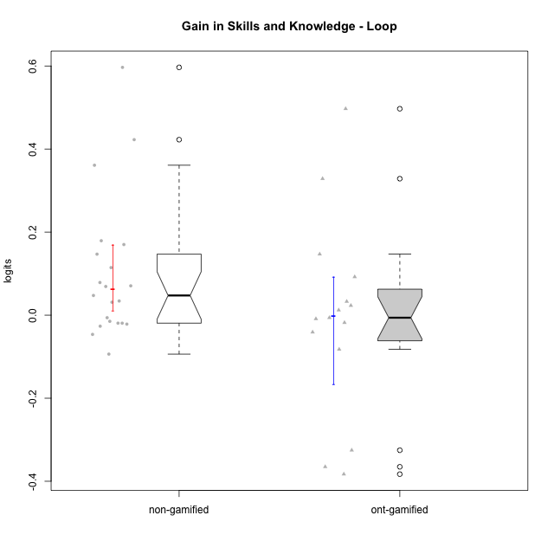

Wilcoxon data
UserID | NroUSP | Type | CLGroup | CLRole | PlayerRole | PreTheta | PostTheta | DiffTheta
10170 | 10260351 | non-gamified | Grupo Team 6 | Apprentice |  | -0.042285594341 | 0.0051011631804 | 0.047386757521
10174 | 10276852 | non-gamified | Grupo Team 1 | Apprentice |  | -0.12959814431 | -0.095531736362 | 0.034066407946
10175 | 10310700 | non-gamified | Grupo Team 6 | Master |  | 0.15278597458 | 0.29967561382 | 0.14688963925
10176 | 10276949 | non-gamified | Grupo Team 9 | Apprentice |  | 0.0099101722505 | 0.43251519676 | 0.42260502451
10178 | 8656201 | non-gamified | Grupo Team 11 | Apprentice |  | 0.0029248749671 | -0.0032186184212 | -0.0061434933883
10179 | 10310759 | ont-gamified | Grupo Tosskor | Apprentice | Yee Achiever | -0.009609545422 | 0.0025009181329 | 0.012110463555
10183 | 10352030 | non-gamified | Grupo Belos | Apprentice | Yee Socializer | -0.23157763121 | -0.05237610515 | 0.17920152606
10184 | 10276675 | non-gamified | Grupo Team 7 | Master |  | 0.048846907864 | 0.0025009181329 | -0.046345989731
10185 | 10276960 | ont-gamified | Grupo Tosskor | Master | Yee Achiever | 0.15278597458 | 0.29967561382 | 0.14688963925
10186 | 10310551 | non-gamified | Grupo Team 5 | Apprentice |  | -0.079450507085 | 0.090593173543 | 0.17004368063
10187 | 9790781 | ont-gamified | Grupo Razorg | Apprentice | Yee Achiever | 0.0029248749671 | -0.015092901545 | -0.018017776512
10188 | 10276995 | ont-gamified | Grupo Paldira | Master | Yee Achiever | 0.3712482209 | -0.011661650245 | -0.38290987115
10189 | 9363926 | non-gamified | Grupo Team 2 | Apprentice |  | -0.10082274093 | -0.031797889026 | 0.069024851901
10192 | 10276682 | ont-gamified | Grupo Yeka | Apprentice | Yee Socializer | 0.0029248749671 | -0.0032186184212 | -0.0061434933883
10196 | 10310655 | non-gamified | Grupo Team 5 | Apprentice |  | -0.064525230136 | 0.0060700983464 | 0.070595328483
10197 | 10276661 | non-gamified | Grupo Team 11 | Master |  | 0.0099101722505 | -0.011661650245 | -0.021571822496
10198 | 10310888 | non-gamified | Grupo Team 1 | Apprentice |  | -0.3727052415 | -0.011661650245 | 0.36104359125
10200 | 9795272 | non-gamified | Grupo Team 4 | Apprentice |  | -0.0842842381 | 0.5123855 | 0.5966697381
10201 | 10276928 | non-gamified | Grupo Team 10 | Master |  | 0.021832701345 | 0.0025009181329 | -0.019331783212
10202 | 10277036 | ont-gamified | Grupo Paldira | Apprentice | Yee Achiever | -0.080668579365 | -0.047763227162 | 0.032905352203
10203 | 9921470 | ont-gamified | Grupo Paldira | Apprentice | Yee Achiever | -0.2160453359 | -0.5413040712 | -0.3252587353
10204 | 10310471 | non-gamified | Grupo Team 5 | Master |  | 0.13339889319 | 0.11853977314 | -0.014859120056
10206 | 10310721 | non-gamified | Grupo Team 9 | Master |  | 0.0099101722505 | -0.016709459235 | -0.026619631486
10208 | 10276932 | ont-gamified | Grupo Yeka | Master | Yee Socializer | 0.22107621252 | 0.13874233142 | -0.082333881094
10210 | 10277015 | ont-gamified | Grupo Losvakai | Apprentice | Yee Achiever | -0.064525230136 | 0.43251519676 | 0.4970404269
10213 | 10277040 | non-gamified | Grupo Team 8 | Master |  | 0.099868638408 | 0.0060700983464 | -0.093798540061
10214 | 10277022 | ont-gamified | Grupo Koil | Apprentice | Yee Achiever | 0.031197613045 | -0.0097820298014 | -0.040979642846
10217 | 9805341 | ont-gamified | Grupo Belos | Master | Yee Socializer | 0.3712482209 | 0.0060700983464 | -0.36517812256
10218 | 9842913 | non-gamified | Grupo Team 10 | Apprentice |  | -0.012535396461 | -0.031797889026 | -0.019262492565
10219 | 10276831 | ont-gamified | Grupo Razorg | Apprentice | Yee Achiever | -0.064525230136 | -0.07339599866 | -0.0088707685242
10230 | 10351992 | ont-gamified | Grupo Koil | Apprentice | Yee Achiever | 0.026336377454 | 0.11853977314 | 0.092203395684
10231 | 10276911 | non-gamified | Grupo Team 4 | Master |  | 0.22107621252 | 0.29967561382 | 0.078599401308
10232 | 10276974 | non-gamified | Grupo Team 3 | Apprentice |  | -0.12959814431 | -0.015092901545 | 0.11450524276
10237 | 10377688 | ont-gamified | Grupo Ellaru | Apprentice | Yee Socializer | -0.028968045237 | 0.29967561382 | 0.32864365906
10238 | 10276953 | ont-gamified | Grupo Belos | Apprentice | Yee Socializer | -0.023682552814 | -0.00053167959721 | 0.023150873217
10240 | 10276654 | non-gamified | Grupo Team 8 | Apprentice |  | -0.034352104696 | -0.0032186184212 | 0.031133486274

Type_CLRole_1
Wilcoxon Analysis for Gain in Skills and Knowledge - Loop in Type:CLRole between non-gamified.Apprentice:non-gamified.Master

Wilcoxon test results
Alternative hypothesis: less
Group | N | Median | Mean.Ranks | Sum.Ranks | U | Z | p.value | r | magnitude
non-gamified.Apprentice | 13 | 0.070595328483 | 13.769230769 | 179 | 88 | 2.6071445678 | 0.99702196668 | 0.56892558712 | large
non-gamified.Master | 8 | -0.020451802854 | 6.5 | 52 | 88 | 2.6071445678 | 0.99702196668 | 0.56892558712 | large
Alternative hypothesis: greater
Group | N | Median | Mean.Ranks | Sum.Ranks | U | Z | p.value | r | magnitude
non-gamified.Apprentice | 13 | 0.070595328483 | 13.769230769 | 179 | 88 | 2.6071445678 | 0.0038724261634 | 0.56892558712 | large
non-gamified.Master | 8 | -0.020451802854 | 6.5 | 52 | 88 | 2.6071445678 | 0.0038724261634 | 0.56892558712 | large
Alternative hypothesis: two.sided
Group | N | Median | Mean.Ranks | Sum.Ranks | U | Z | p.value | r | magnitude
non-gamified.Apprentice | 13 | 0.070595328483 | 13.769230769 | 179 | 88 | 2.6071445678 | 0.0077448523269 | 0.56892558712 | large
non-gamified.Master | 8 | -0.020451802854 | 6.5 | 52 | 88 | 2.6071445678 | 0.0077448523269 | 0.56892558712 | large

Box plots for wilcoxon tests
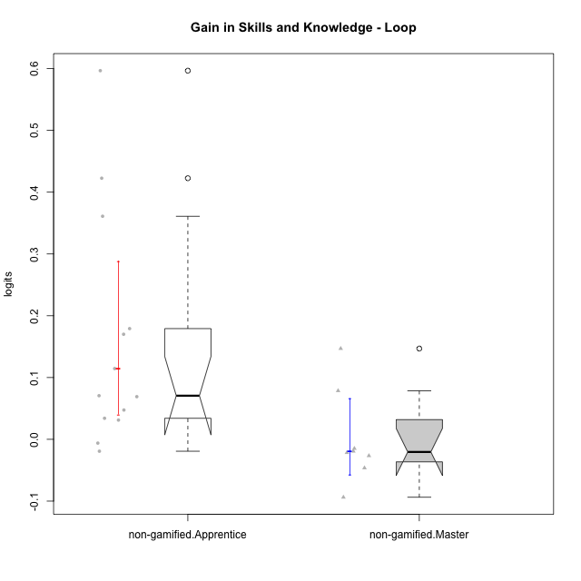

Wilcoxon data
UserID | NroUSP | Type | CLGroup | CLRole | PlayerRole | PreTheta | PostTheta | DiffTheta
10170 | 10260351 | non-gamified | Grupo Team 6 | Apprentice |  | -0.042285594341 | 0.0051011631804 | 0.047386757521
10174 | 10276852 | non-gamified | Grupo Team 1 | Apprentice |  | -0.12959814431 | -0.095531736362 | 0.034066407946
10175 | 10310700 | non-gamified | Grupo Team 6 | Master |  | 0.15278597458 | 0.29967561382 | 0.14688963925
10176 | 10276949 | non-gamified | Grupo Team 9 | Apprentice |  | 0.0099101722505 | 0.43251519676 | 0.42260502451
10178 | 8656201 | non-gamified | Grupo Team 11 | Apprentice |  | 0.0029248749671 | -0.0032186184212 | -0.0061434933883
10183 | 10352030 | non-gamified | Grupo Belos | Apprentice | Yee Socializer | -0.23157763121 | -0.05237610515 | 0.17920152606
10184 | 10276675 | non-gamified | Grupo Team 7 | Master |  | 0.048846907864 | 0.0025009181329 | -0.046345989731
10186 | 10310551 | non-gamified | Grupo Team 5 | Apprentice |  | -0.079450507085 | 0.090593173543 | 0.17004368063
10189 | 9363926 | non-gamified | Grupo Team 2 | Apprentice |  | -0.10082274093 | -0.031797889026 | 0.069024851901
10196 | 10310655 | non-gamified | Grupo Team 5 | Apprentice |  | -0.064525230136 | 0.0060700983464 | 0.070595328483
10197 | 10276661 | non-gamified | Grupo Team 11 | Master |  | 0.0099101722505 | -0.011661650245 | -0.021571822496
10198 | 10310888 | non-gamified | Grupo Team 1 | Apprentice |  | -0.3727052415 | -0.011661650245 | 0.36104359125
10200 | 9795272 | non-gamified | Grupo Team 4 | Apprentice |  | -0.0842842381 | 0.5123855 | 0.5966697381
10201 | 10276928 | non-gamified | Grupo Team 10 | Master |  | 0.021832701345 | 0.0025009181329 | -0.019331783212
10204 | 10310471 | non-gamified | Grupo Team 5 | Master |  | 0.13339889319 | 0.11853977314 | -0.014859120056
10206 | 10310721 | non-gamified | Grupo Team 9 | Master |  | 0.0099101722505 | -0.016709459235 | -0.026619631486
10213 | 10277040 | non-gamified | Grupo Team 8 | Master |  | 0.099868638408 | 0.0060700983464 | -0.093798540061
10218 | 9842913 | non-gamified | Grupo Team 10 | Apprentice |  | -0.012535396461 | -0.031797889026 | -0.019262492565
10231 | 10276911 | non-gamified | Grupo Team 4 | Master |  | 0.22107621252 | 0.29967561382 | 0.078599401308
10232 | 10276974 | non-gamified | Grupo Team 3 | Apprentice |  | -0.12959814431 | -0.015092901545 | 0.11450524276
10240 | 10276654 | non-gamified | Grupo Team 8 | Apprentice |  | -0.034352104696 | -0.0032186184212 | 0.031133486274

Type_CLRole_2
Wilcoxon Analysis for Gain in Skills and Knowledge - Loop in Type:CLRole between non-gamified.Apprentice:ont-gamified.Apprentice

Wilcoxon test results
Alternative hypothesis: less
Group | N | Median | Mean.Ranks | Sum.Ranks | U | Z | p.value | r | magnitude
non-gamified.Apprentice | 13 | 0.070595328483 | 14.961538462 | 194.5 | 103.5 | 1.8543726387 | 0.96963877084 | 0.37852222982 | medium
ont-gamified.Apprentice | 11 | 0.012110463555 | 9.5909090909 | 105.5 | 103.5 | 1.8543726387 | 0.96963877084 | 0.37852222982 | medium
Alternative hypothesis: greater
Group | N | Median | Mean.Ranks | Sum.Ranks | U | Z | p.value | r | magnitude
non-gamified.Apprentice | 13 | 0.070595328483 | 14.961538462 | 194.5 | 103.5 | 1.8543726387 | 0.032556615323 | 0.37852222982 | medium
ont-gamified.Apprentice | 11 | 0.012110463555 | 9.5909090909 | 105.5 | 103.5 | 1.8543726387 | 0.032556615323 | 0.37852222982 | medium
Alternative hypothesis: two.sided
Group | N | Median | Mean.Ranks | Sum.Ranks | U | Z | p.value | r | magnitude
non-gamified.Apprentice | 13 | 0.070595328483 | 14.961538462 | 194.5 | 103.5 | 1.8543726387 | 0.064979424264 | 0.37852222982 | medium
ont-gamified.Apprentice | 11 | 0.012110463555 | 9.5909090909 | 105.5 | 103.5 | 1.8543726387 | 0.064979424264 | 0.37852222982 | medium

Box plots for wilcoxon tests
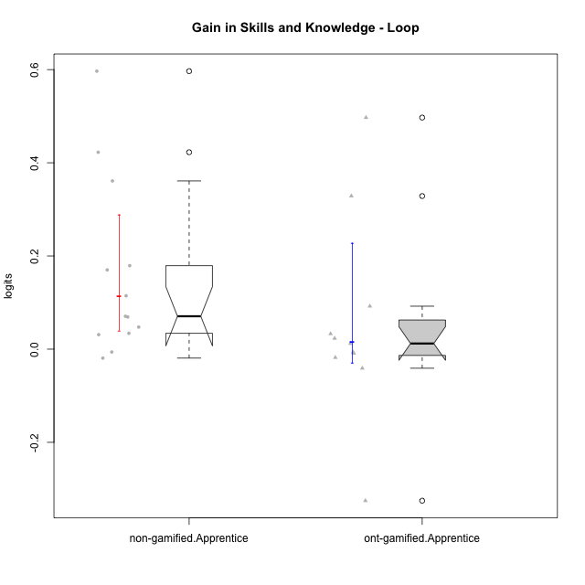

Wilcoxon data
UserID | NroUSP | Type | CLGroup | CLRole | PlayerRole | PreTheta | PostTheta | DiffTheta
10170 | 10260351 | non-gamified | Grupo Team 6 | Apprentice |  | -0.042285594341 | 0.0051011631804 | 0.047386757521
10174 | 10276852 | non-gamified | Grupo Team 1 | Apprentice |  | -0.12959814431 | -0.095531736362 | 0.034066407946
10176 | 10276949 | non-gamified | Grupo Team 9 | Apprentice |  | 0.0099101722505 | 0.43251519676 | 0.42260502451
10178 | 8656201 | non-gamified | Grupo Team 11 | Apprentice |  | 0.0029248749671 | -0.0032186184212 | -0.0061434933883
10179 | 10310759 | ont-gamified | Grupo Tosskor | Apprentice | Yee Achiever | -0.009609545422 | 0.0025009181329 | 0.012110463555
10183 | 10352030 | non-gamified | Grupo Belos | Apprentice | Yee Socializer | -0.23157763121 | -0.05237610515 | 0.17920152606
10186 | 10310551 | non-gamified | Grupo Team 5 | Apprentice |  | -0.079450507085 | 0.090593173543 | 0.17004368063
10187 | 9790781 | ont-gamified | Grupo Razorg | Apprentice | Yee Achiever | 0.0029248749671 | -0.015092901545 | -0.018017776512
10189 | 9363926 | non-gamified | Grupo Team 2 | Apprentice |  | -0.10082274093 | -0.031797889026 | 0.069024851901
10192 | 10276682 | ont-gamified | Grupo Yeka | Apprentice | Yee Socializer | 0.0029248749671 | -0.0032186184212 | -0.0061434933883
10196 | 10310655 | non-gamified | Grupo Team 5 | Apprentice |  | -0.064525230136 | 0.0060700983464 | 0.070595328483
10198 | 10310888 | non-gamified | Grupo Team 1 | Apprentice |  | -0.3727052415 | -0.011661650245 | 0.36104359125
10200 | 9795272 | non-gamified | Grupo Team 4 | Apprentice |  | -0.0842842381 | 0.5123855 | 0.5966697381
10202 | 10277036 | ont-gamified | Grupo Paldira | Apprentice | Yee Achiever | -0.080668579365 | -0.047763227162 | 0.032905352203
10203 | 9921470 | ont-gamified | Grupo Paldira | Apprentice | Yee Achiever | -0.2160453359 | -0.5413040712 | -0.3252587353
10210 | 10277015 | ont-gamified | Grupo Losvakai | Apprentice | Yee Achiever | -0.064525230136 | 0.43251519676 | 0.4970404269
10214 | 10277022 | ont-gamified | Grupo Koil | Apprentice | Yee Achiever | 0.031197613045 | -0.0097820298014 | -0.040979642846
10218 | 9842913 | non-gamified | Grupo Team 10 | Apprentice |  | -0.012535396461 | -0.031797889026 | -0.019262492565
10219 | 10276831 | ont-gamified | Grupo Razorg | Apprentice | Yee Achiever | -0.064525230136 | -0.07339599866 | -0.0088707685242
10230 | 10351992 | ont-gamified | Grupo Koil | Apprentice | Yee Achiever | 0.026336377454 | 0.11853977314 | 0.092203395684
10232 | 10276974 | non-gamified | Grupo Team 3 | Apprentice |  | -0.12959814431 | -0.015092901545 | 0.11450524276
10237 | 10377688 | ont-gamified | Grupo Ellaru | Apprentice | Yee Socializer | -0.028968045237 | 0.29967561382 | 0.32864365906
10238 | 10276953 | ont-gamified | Grupo Belos | Apprentice | Yee Socializer | -0.023682552814 | -0.00053167959721 | 0.023150873217
10240 | 10276654 | non-gamified | Grupo Team 8 | Apprentice |  | -0.034352104696 | -0.0032186184212 | 0.031133486274

Type_CLRole_3
Wilcoxon Analysis for Gain in Skills and Knowledge - Loop in Type:CLRole between non-gamified.Apprentice:ont-gamified.Master

Wilcoxon test results
Alternative hypothesis: less
Group | N | Median | Mean.Ranks | Sum.Ranks | U | Z | p.value | r | magnitude
non-gamified.Apprentice | 13 | 0.070595328483 | 10.384615385 | 135 | 44 | 2.0380986615 | 0.98403361345 | 0.49431153274 | medium
ont-gamified.Master | 4 | -0.22375600183 | 4.5 | 18 | 44 | 2.0380986615 | 0.98403361345 | 0.49431153274 | medium
Alternative hypothesis: greater
Group | N | Median | Mean.Ranks | Sum.Ranks | U | Z | p.value | r | magnitude
non-gamified.Apprentice | 13 | 0.070595328483 | 10.384615385 | 135 | 44 | 2.0380986615 | 0.022268907563 | 0.49431153274 | medium
ont-gamified.Master | 4 | -0.22375600183 | 4.5 | 18 | 44 | 2.0380986615 | 0.022268907563 | 0.49431153274 | medium
Alternative hypothesis: two.sided
Group | N | Median | Mean.Ranks | Sum.Ranks | U | Z | p.value | r | magnitude
non-gamified.Apprentice | 13 | 0.070595328483 | 10.384615385 | 135 | 44 | 2.0380986615 | 0.044537815126 | 0.49431153274 | medium
ont-gamified.Master | 4 | -0.22375600183 | 4.5 | 18 | 44 | 2.0380986615 | 0.044537815126 | 0.49431153274 | medium

Box plots for wilcoxon tests
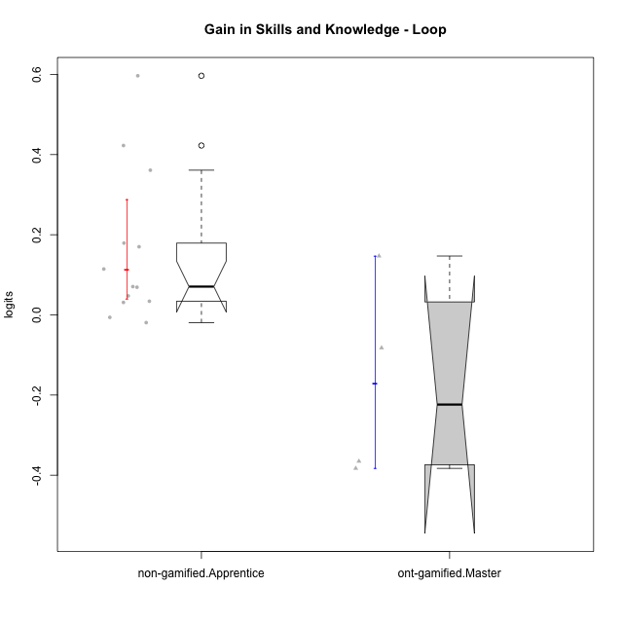

Wilcoxon data
UserID | NroUSP | Type | CLGroup | CLRole | PlayerRole | PreTheta | PostTheta | DiffTheta
10170 | 10260351 | non-gamified | Grupo Team 6 | Apprentice |  | -0.042285594341 | 0.0051011631804 | 0.047386757521
10174 | 10276852 | non-gamified | Grupo Team 1 | Apprentice |  | -0.12959814431 | -0.095531736362 | 0.034066407946
10176 | 10276949 | non-gamified | Grupo Team 9 | Apprentice |  | 0.0099101722505 | 0.43251519676 | 0.42260502451
10178 | 8656201 | non-gamified | Grupo Team 11 | Apprentice |  | 0.0029248749671 | -0.0032186184212 | -0.0061434933883
10183 | 10352030 | non-gamified | Grupo Belos | Apprentice | Yee Socializer | -0.23157763121 | -0.05237610515 | 0.17920152606
10185 | 10276960 | ont-gamified | Grupo Tosskor | Master | Yee Achiever | 0.15278597458 | 0.29967561382 | 0.14688963925
10186 | 10310551 | non-gamified | Grupo Team 5 | Apprentice |  | -0.079450507085 | 0.090593173543 | 0.17004368063
10188 | 10276995 | ont-gamified | Grupo Paldira | Master | Yee Achiever | 0.3712482209 | -0.011661650245 | -0.38290987115
10189 | 9363926 | non-gamified | Grupo Team 2 | Apprentice |  | -0.10082274093 | -0.031797889026 | 0.069024851901
10196 | 10310655 | non-gamified | Grupo Team 5 | Apprentice |  | -0.064525230136 | 0.0060700983464 | 0.070595328483
10198 | 10310888 | non-gamified | Grupo Team 1 | Apprentice |  | -0.3727052415 | -0.011661650245 | 0.36104359125
10200 | 9795272 | non-gamified | Grupo Team 4 | Apprentice |  | -0.0842842381 | 0.5123855 | 0.5966697381
10208 | 10276932 | ont-gamified | Grupo Yeka | Master | Yee Socializer | 0.22107621252 | 0.13874233142 | -0.082333881094
10217 | 9805341 | ont-gamified | Grupo Belos | Master | Yee Socializer | 0.3712482209 | 0.0060700983464 | -0.36517812256
10218 | 9842913 | non-gamified | Grupo Team 10 | Apprentice |  | -0.012535396461 | -0.031797889026 | -0.019262492565
10232 | 10276974 | non-gamified | Grupo Team 3 | Apprentice |  | -0.12959814431 | -0.015092901545 | 0.11450524276
10240 | 10276654 | non-gamified | Grupo Team 8 | Apprentice |  | -0.034352104696 | -0.0032186184212 | 0.031133486274

Type_CLRole_4
Wilcoxon Analysis for Gain in Skills and Knowledge - Loop in Type:CLRole between non-gamified.Master:ont-gamified.Apprentice

Wilcoxon test results
Alternative hypothesis: less
Group | N | Median | Mean.Ranks | Sum.Ranks | U | Z | p.value | r | magnitude
non-gamified.Master | 8 | -0.020451802854 | 8 | 64 | 28 | -1.3211565182 | 0.10300071446 | 0.30309409217 | medium
ont-gamified.Apprentice | 11 | 0.012110463555 | 11.454545455 | 126 | 28 | -1.3211565182 | 0.10300071446 | 0.30309409217 | medium
Alternative hypothesis: greater
Group | N | Median | Mean.Ranks | Sum.Ranks | U | Z | p.value | r | magnitude
non-gamified.Master | 8 | -0.020451802854 | 8 | 64 | 28 | -1.3211565182 | 0.91131486333 | 0.30309409217 | medium
ont-gamified.Apprentice | 11 | 0.012110463555 | 11.454545455 | 126 | 28 | -1.3211565182 | 0.91131486333 | 0.30309409217 | medium
Alternative hypothesis: two.sided
Group | N | Median | Mean.Ranks | Sum.Ranks | U | Z | p.value | r | magnitude
non-gamified.Master | 8 | -0.020451802854 | 8 | 64 | 28 | -1.3211565182 | 0.20600142891 | 0.30309409217 | medium
ont-gamified.Apprentice | 11 | 0.012110463555 | 11.454545455 | 126 | 28 | -1.3211565182 | 0.20600142891 | 0.30309409217 | medium

Box plots for wilcoxon tests
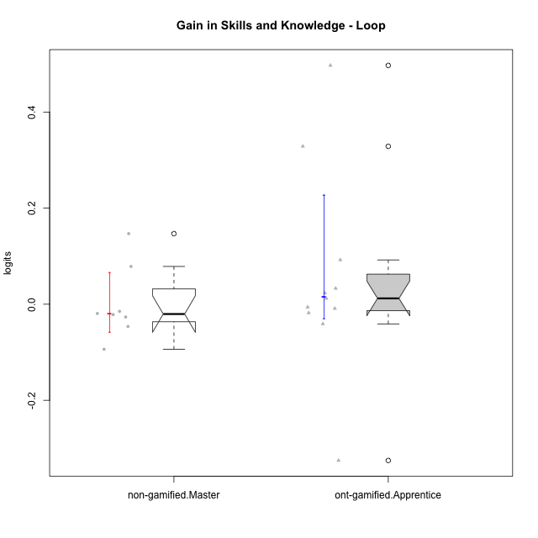

Wilcoxon data
UserID | NroUSP | Type | CLGroup | CLRole | PlayerRole | PreTheta | PostTheta | DiffTheta
10175 | 10310700 | non-gamified | Grupo Team 6 | Master |  | 0.15278597458 | 0.29967561382 | 0.14688963925
10179 | 10310759 | ont-gamified | Grupo Tosskor | Apprentice | Yee Achiever | -0.009609545422 | 0.0025009181329 | 0.012110463555
10184 | 10276675 | non-gamified | Grupo Team 7 | Master |  | 0.048846907864 | 0.0025009181329 | -0.046345989731
10187 | 9790781 | ont-gamified | Grupo Razorg | Apprentice | Yee Achiever | 0.0029248749671 | -0.015092901545 | -0.018017776512
10192 | 10276682 | ont-gamified | Grupo Yeka | Apprentice | Yee Socializer | 0.0029248749671 | -0.0032186184212 | -0.0061434933883
10197 | 10276661 | non-gamified | Grupo Team 11 | Master |  | 0.0099101722505 | -0.011661650245 | -0.021571822496
10201 | 10276928 | non-gamified | Grupo Team 10 | Master |  | 0.021832701345 | 0.0025009181329 | -0.019331783212
10202 | 10277036 | ont-gamified | Grupo Paldira | Apprentice | Yee Achiever | -0.080668579365 | -0.047763227162 | 0.032905352203
10203 | 9921470 | ont-gamified | Grupo Paldira | Apprentice | Yee Achiever | -0.2160453359 | -0.5413040712 | -0.3252587353
10204 | 10310471 | non-gamified | Grupo Team 5 | Master |  | 0.13339889319 | 0.11853977314 | -0.014859120056
10206 | 10310721 | non-gamified | Grupo Team 9 | Master |  | 0.0099101722505 | -0.016709459235 | -0.026619631486
10210 | 10277015 | ont-gamified | Grupo Losvakai | Apprentice | Yee Achiever | -0.064525230136 | 0.43251519676 | 0.4970404269
10213 | 10277040 | non-gamified | Grupo Team 8 | Master |  | 0.099868638408 | 0.0060700983464 | -0.093798540061
10214 | 10277022 | ont-gamified | Grupo Koil | Apprentice | Yee Achiever | 0.031197613045 | -0.0097820298014 | -0.040979642846
10219 | 10276831 | ont-gamified | Grupo Razorg | Apprentice | Yee Achiever | -0.064525230136 | -0.07339599866 | -0.0088707685242
10230 | 10351992 | ont-gamified | Grupo Koil | Apprentice | Yee Achiever | 0.026336377454 | 0.11853977314 | 0.092203395684
10231 | 10276911 | non-gamified | Grupo Team 4 | Master |  | 0.22107621252 | 0.29967561382 | 0.078599401308
10237 | 10377688 | ont-gamified | Grupo Ellaru | Apprentice | Yee Socializer | -0.028968045237 | 0.29967561382 | 0.32864365906
10238 | 10276953 | ont-gamified | Grupo Belos | Apprentice | Yee Socializer | -0.023682552814 | -0.00053167959721 | 0.023150873217

Type_CLRole_5
Wilcoxon Analysis for Gain in Skills and Knowledge - Loop in Type:CLRole between non-gamified.Master:ont-gamified.Master

Wilcoxon test results
Alternative hypothesis: less
Group | N | Median | Mean.Ranks | Sum.Ranks | U | Z | p.value | r | magnitude
non-gamified.Master | 8 | -0.020451802854 | 7.4375 | 59.5 | 23.5 | 1.2760444638 | 0.89494949495 | 0.36836230735 | medium
ont-gamified.Master | 4 | -0.22375600183 | 4.625 | 18.5 | 23.5 | 1.2760444638 | 0.89494949495 | 0.36836230735 | medium
Alternative hypothesis: greater
Group | N | Median | Mean.Ranks | Sum.Ranks | U | Z | p.value | r | magnitude
non-gamified.Master | 8 | -0.020451802854 | 7.4375 | 59.5 | 23.5 | 1.2760444638 | 0.10909090909 | 0.36836230735 | medium
ont-gamified.Master | 4 | -0.22375600183 | 4.625 | 18.5 | 23.5 | 1.2760444638 | 0.10909090909 | 0.36836230735 | medium
Alternative hypothesis: two.sided
Group | N | Median | Mean.Ranks | Sum.Ranks | U | Z | p.value | r | magnitude
non-gamified.Master | 8 | -0.020451802854 | 7.4375 | 59.5 | 23.5 | 1.2760444638 | 0.22626262626 | 0.36836230735 | medium
ont-gamified.Master | 4 | -0.22375600183 | 4.625 | 18.5 | 23.5 | 1.2760444638 | 0.22626262626 | 0.36836230735 | medium

Box plots for wilcoxon tests
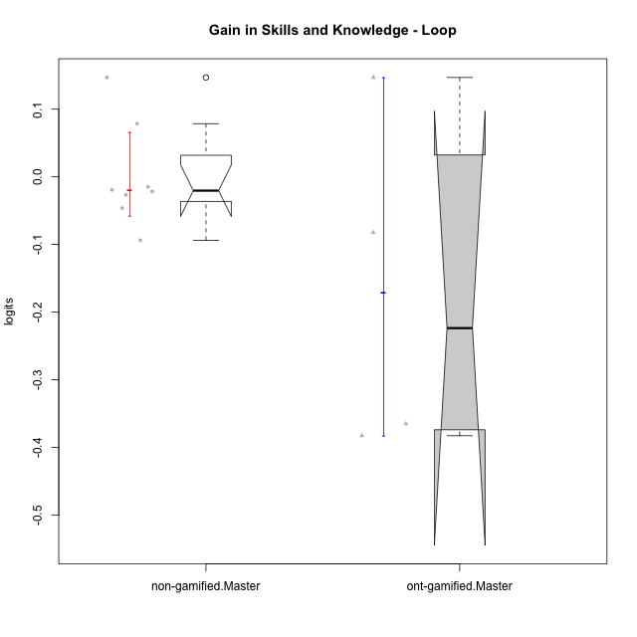

Wilcoxon data
UserID | NroUSP | Type | CLGroup | CLRole | PlayerRole | PreTheta | PostTheta | DiffTheta
10175 | 10310700 | non-gamified | Grupo Team 6 | Master |  | 0.15278597458 | 0.29967561382 | 0.14688963925
10184 | 10276675 | non-gamified | Grupo Team 7 | Master |  | 0.048846907864 | 0.0025009181329 | -0.046345989731
10185 | 10276960 | ont-gamified | Grupo Tosskor | Master | Yee Achiever | 0.15278597458 | 0.29967561382 | 0.14688963925
10188 | 10276995 | ont-gamified | Grupo Paldira | Master | Yee Achiever | 0.3712482209 | -0.011661650245 | -0.38290987115
10197 | 10276661 | non-gamified | Grupo Team 11 | Master |  | 0.0099101722505 | -0.011661650245 | -0.021571822496
10201 | 10276928 | non-gamified | Grupo Team 10 | Master |  | 0.021832701345 | 0.0025009181329 | -0.019331783212
10204 | 10310471 | non-gamified | Grupo Team 5 | Master |  | 0.13339889319 | 0.11853977314 | -0.014859120056
10206 | 10310721 | non-gamified | Grupo Team 9 | Master |  | 0.0099101722505 | -0.016709459235 | -0.026619631486
10208 | 10276932 | ont-gamified | Grupo Yeka | Master | Yee Socializer | 0.22107621252 | 0.13874233142 | -0.082333881094
10213 | 10277040 | non-gamified | Grupo Team 8 | Master |  | 0.099868638408 | 0.0060700983464 | -0.093798540061
10217 | 9805341 | ont-gamified | Grupo Belos | Master | Yee Socializer | 0.3712482209 | 0.0060700983464 | -0.36517812256
10231 | 10276911 | non-gamified | Grupo Team 4 | Master |  | 0.22107621252 | 0.29967561382 | 0.078599401308

Type_CLRole_6
Wilcoxon Analysis for Gain in Skills and Knowledge - Loop in Type:CLRole between ont-gamified.Apprentice:ont-gamified.Master

Wilcoxon test results
Alternative hypothesis: less
Group | N | Median | Mean.Ranks | Sum.Ranks | U | Z | p.value | r | magnitude
ont-gamified.Apprentice | 11 | 0.012110463555 | 9.0909090909 | 100 | 34 | 1.5666989036 | 0.94798534799 | 0.40451991748 | medium
ont-gamified.Master | 4 | -0.22375600183 | 5 | 20 | 34 | 1.5666989036 | 0.94798534799 | 0.40451991748 | medium
Alternative hypothesis: greater
Group | N | Median | Mean.Ranks | Sum.Ranks | U | Z | p.value | r | magnitude
ont-gamified.Apprentice | 11 | 0.012110463555 | 9.0909090909 | 100 | 34 | 1.5666989036 | 0.068864468864 | 0.40451991748 | medium
ont-gamified.Master | 4 | -0.22375600183 | 5 | 20 | 34 | 1.5666989036 | 0.068864468864 | 0.40451991748 | medium
Alternative hypothesis: two.sided
Group | N | Median | Mean.Ranks | Sum.Ranks | U | Z | p.value | r | magnitude
ont-gamified.Apprentice | 11 | 0.012110463555 | 9.0909090909 | 100 | 34 | 1.5666989036 | 0.13772893773 | 0.40451991748 | medium
ont-gamified.Master | 4 | -0.22375600183 | 5 | 20 | 34 | 1.5666989036 | 0.13772893773 | 0.40451991748 | medium

Box plots for wilcoxon tests
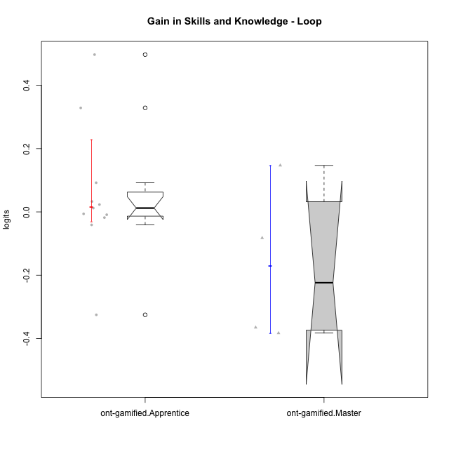

Wilcoxon data
UserID | NroUSP | Type | CLGroup | CLRole | PlayerRole | PreTheta | PostTheta | DiffTheta
10179 | 10310759 | ont-gamified | Grupo Tosskor | Apprentice | Yee Achiever | -0.009609545422 | 0.0025009181329 | 0.012110463555
10185 | 10276960 | ont-gamified | Grupo Tosskor | Master | Yee Achiever | 0.15278597458 | 0.29967561382 | 0.14688963925
10187 | 9790781 | ont-gamified | Grupo Razorg | Apprentice | Yee Achiever | 0.0029248749671 | -0.015092901545 | -0.018017776512
10188 | 10276995 | ont-gamified | Grupo Paldira | Master | Yee Achiever | 0.3712482209 | -0.011661650245 | -0.38290987115
10192 | 10276682 | ont-gamified | Grupo Yeka | Apprentice | Yee Socializer | 0.0029248749671 | -0.0032186184212 | -0.0061434933883
10202 | 10277036 | ont-gamified | Grupo Paldira | Apprentice | Yee Achiever | -0.080668579365 | -0.047763227162 | 0.032905352203
10203 | 9921470 | ont-gamified | Grupo Paldira | Apprentice | Yee Achiever | -0.2160453359 | -0.5413040712 | -0.3252587353
10208 | 10276932 | ont-gamified | Grupo Yeka | Master | Yee Socializer | 0.22107621252 | 0.13874233142 | -0.082333881094
10210 | 10277015 | ont-gamified | Grupo Losvakai | Apprentice | Yee Achiever | -0.064525230136 | 0.43251519676 | 0.4970404269
10214 | 10277022 | ont-gamified | Grupo Koil | Apprentice | Yee Achiever | 0.031197613045 | -0.0097820298014 | -0.040979642846
10217 | 9805341 | ont-gamified | Grupo Belos | Master | Yee Socializer | 0.3712482209 | 0.0060700983464 | -0.36517812256
10219 | 10276831 | ont-gamified | Grupo Razorg | Apprentice | Yee Achiever | -0.064525230136 | -0.07339599866 | -0.0088707685242
10230 | 10351992 | ont-gamified | Grupo Koil | Apprentice | Yee Achiever | 0.026336377454 | 0.11853977314 | 0.092203395684
10237 | 10377688 | ont-gamified | Grupo Ellaru | Apprentice | Yee Socializer | -0.028968045237 | 0.29967561382 | 0.32864365906
10238 | 10276953 | ont-gamified | Grupo Belos | Apprentice | Yee Socializer | -0.023682552814 | -0.00053167959721 | 0.023150873217

