Assumptions
ANOVA assumptions for Programming Skill - Cond. Structures

Shapiro-Wilk normality test for Programming Skill - Cond. Structures
W | p.value
0.97865864556 | 0.55210842784

Plots for normality test
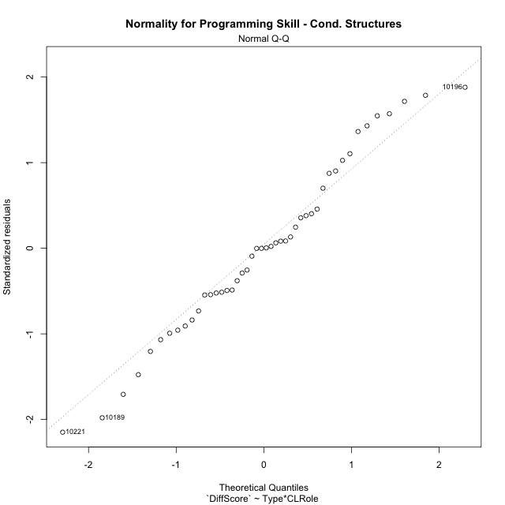

Levene's Test for Homogeneity of Variance in Programming Skill - Cond. Structures
Df | F value | Pr(>F)
3 | 1.7891873751 | 0.16390336999
42

Plots for homogeneity of variance
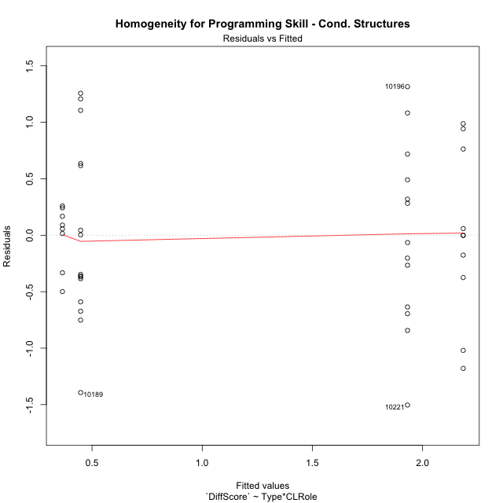

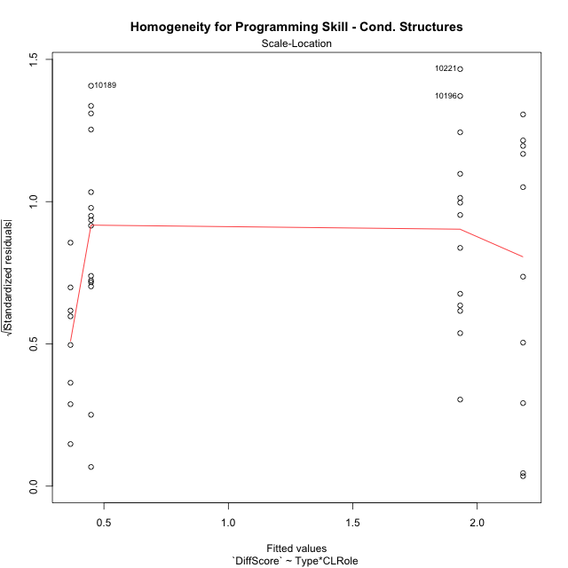

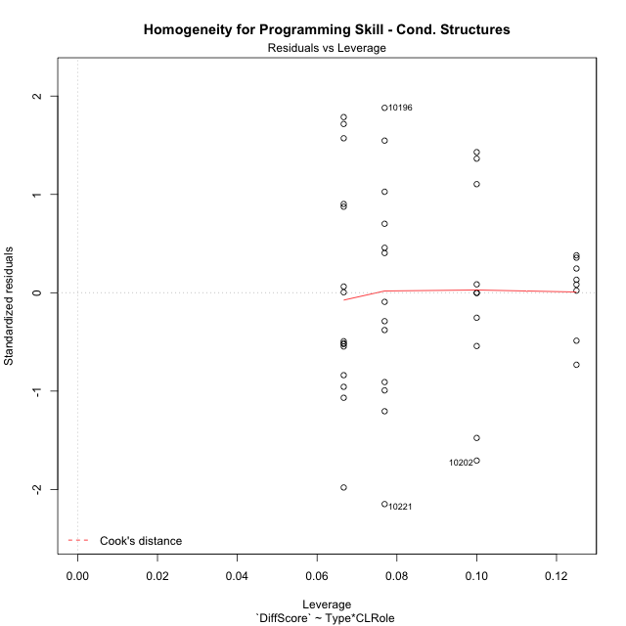

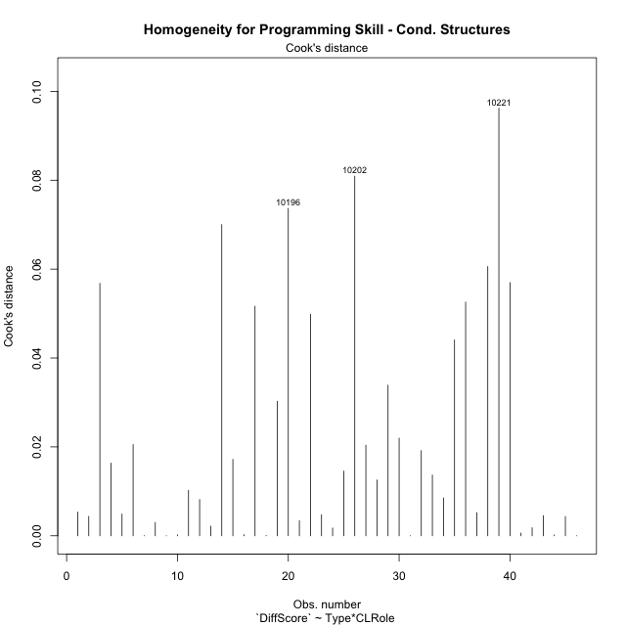

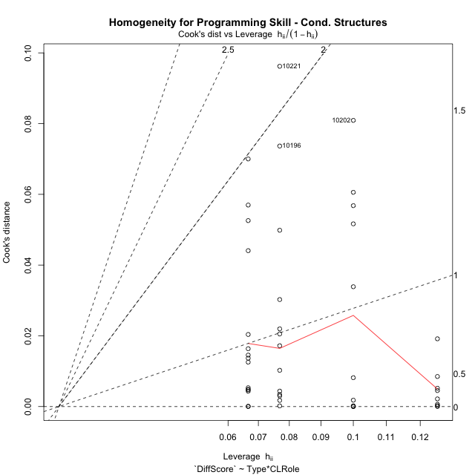

Minimum Sample Size Test for Programming Skill - Cond. Structures
Type | CLRole | Freq
non-gamified | Apprentice | 10
ont-gamified | Apprentice | 13
non-gamified | Master | 8
ont-gamified | Master | 15

Errors and Warnings in Sample Size Test for ANOVA in Programming Skill - Cond. Structures
code | description
WARN: sample.size | current.size is = 10 and recommended.size must be = 15 for the group: 'non-gamified:Apprentice'. Size sample for parametric test isn't recomended
WARN: sample.size | current.size is = 13 and recommended.size must be = 15 for the group: 'ont-gamified:Apprentice'. Size sample for parametric test isn't recomended
WARN: sample.size | current.size is = 8 and recommended.size must be = 15 for the group: 'non-gamified:Master'. Size sample for parametric test isn't recomended

For the group: 'non-gamified:Apprentice', we recommend the use of non parametric test. For the group: 'ont-gamified:Apprentice', we recommend the use of non parametric test. For the group: 'non-gamified:Master', we recommend the use of non parametric test. For the group: 'ont-gamified:Master', you can perform a parametric test with a non-normal distribution

If you don't want to remove non-normal data, you must cite the following references: ... (1) Lix, L.M., J.C. Keselman, and H.J. Keselman. 1996. Consequences of assumption violations revisited: A quantitative review of alternatives to the one-way analysis of variance F test. Rev. Educ. Res. 66: 579-619. ... (2) Harwell, M.R., E.N. Rubinstein, W.S. Hayes, and C.C. Olds. 1992. Summarizing Monte Carlo results in methodological research: the one- and two-factor fixed effects ANOVA cases. J. Educ. Stat. 17: 315-339.

Post-hoc
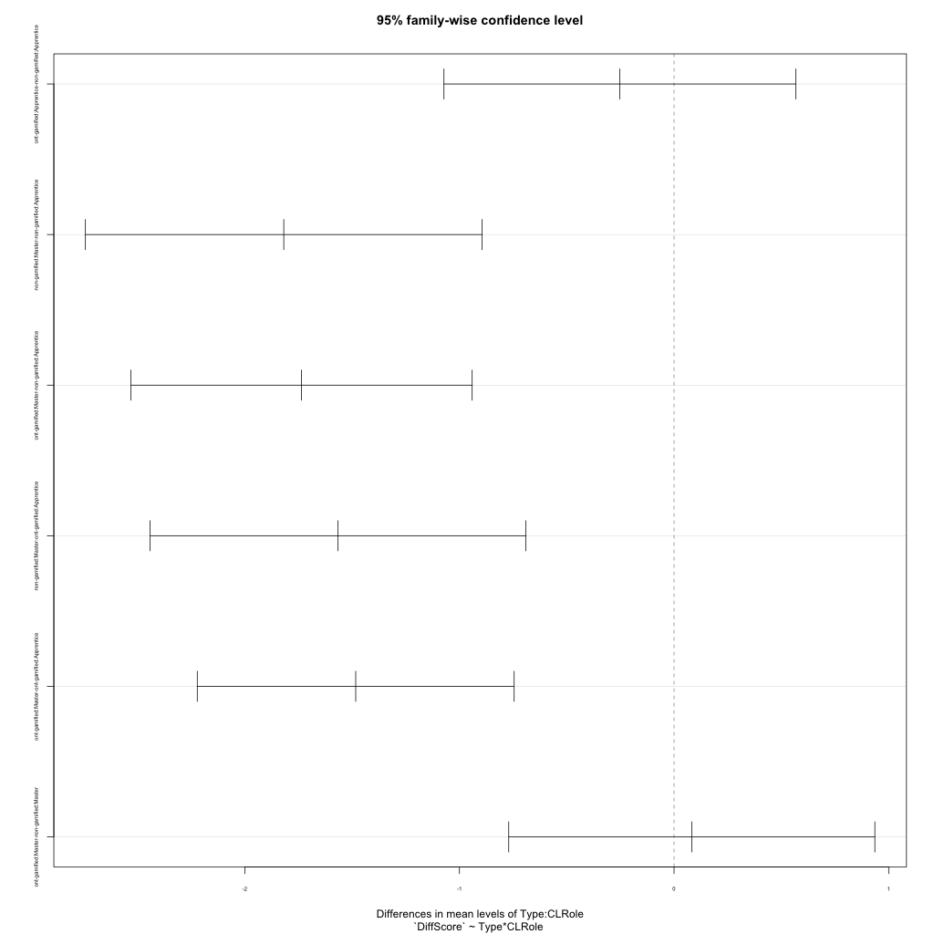
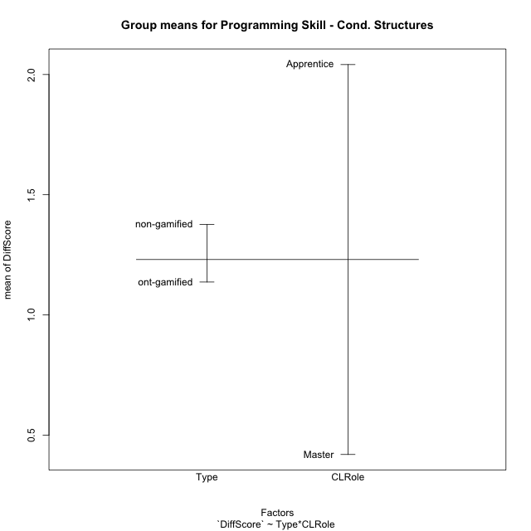
Post-hoc Tukey Honestly Significant Difference (HSD) Test for Programming Skill - Cond. Structures

Comparisons of means for Type
 | diff | lwr | upr | p adj
ont-gamified-non-gamified | -0.23907470396 | -0.68310758691 | 0.204958179 | 0.28342427764

Comparisons of means for CLRole
 | diff | lwr | upr | p adj
Master-Apprentice | -1.6010966786 | -2.034510309 | -1.1676830482 | 3.2712208498E-09

Comparisons of means for Type:CLRole
 | diff | lwr | upr | p adj
ont-gamified:Apprentice-non-gamified:Apprentice | -0.25269993895 | -1.072148741 | 0.56674886311 | 0.84235606297
non-gamified:Master-non-gamified:Apprentice | -1.8185615079 | -2.7426654904 | -0.89445752542 | 2.6056817966E-05
ont-gamified:Master-non-gamified:Apprentice | -1.7359986772 | -2.5313407516 | -0.94065660293 | 3.9652368558E-06
non-gamified:Master-ont-gamified:Apprentice | -1.565861569 | -2.4412938573 | -0.69042928065 | 0.00012211217242
ont-gamified:Master-ont-gamified:Apprentice | -1.4832987383 | -2.2215280632 | -0.74506941339 | 1.8172340179E-05
ont-gamified:Master-non-gamified:Master | 0.082562830688 | -0.77034652408 | 0.93547218546 | 0.99382157655

Contrast Matrices for Programming Skill - Cond. Structures - Type
contrast | estimate | SE | df | t.ratio | p.value
non-gamified - ont-gamified | 0.085068554131 | 0.2210825006 | 42 | 0.38478194294 | 0.70234060076

Contrast Matrices for Programming Skill - Cond. Structures - Type:CLRole
contrast | CLRole | estimate | SE | df | t.ratio | p.value
non-gamified - ont-gamified | Apprentice | 0.25269993895 | 0.30634089896 | 42 | 0.82489781745 | 0.41409023697
non-gamified - ont-gamified | Master | -0.082562830688 | 0.31884971681 | 42 | -0.25893963938 | 0.79694671501

Least Squares Means and Confidence Intervals for Type
Type | lsmean | SE | df | lower.CL | upper.CL | Pairs
non-gamified | 1.274905754 | 0.17273247824 | 42 | 0.92631750015 | 1.6234940078 | non-gamified
ont-gamified | 1.1898371998 | 0.13798899606 | 42 | 0.9113641317 | 1.468310268 | ont-gamified

Least Squares Means and Confidence Intervals for Type:CLRole
Type | CLRole | lsmean | SE | df | lower.CL | upper.CL | Pairs
non-gamified | Apprentice | 2.1841865079 | 0.23030997099 | 42 | 1.7194021695 | 2.6489708464 | non-gamified.Apprentice
ont-gamified | Apprentice | 1.931486569 | 0.20199520698 | 42 | 1.5238437377 | 2.3391294002 | ont-gamified.Apprentice
non-gamified | Master | 0.365625 | 0.25749437551 | 42 | -0.15401968779 | 0.88526968779 | non-gamified.Master
ont-gamified | Master | 0.44818783069 | 0.18804730386 | 42 | 0.068693007497 | 0.82768265388 | ont-gamified.Master

Plots

Type_1
Student's t-Test for Programming Skill - Cond. Structures in Type between non-gamified:ont-gamified

Student's t-Test results
Alternative hypothesis: less
Group | N | Mean | Mean.Difference | Std.deviation | Std.error | CI.lower | CI.upper | df | t.value | p.value | g | magnitude
non-gamified | 18 | 1.3759369489 | 0.23907470396 | 1.0921133397 | 0.25741358277 | 0.86110978332 | 1.8907641144 | 36.333353689 | 0.72540126173 | 0.76357373749 | 0.2155277996 | small
ont-gamified | 28 | 1.1368622449 | -0.23907470396 | 1.0890531764 | 0.20581170496 | 0.72523883498 | 1.5484856548 | 36.333353689 | 0.72540126173 | 0.76357373749 | 0.2155277996 | small
Alternative hypothesis: greater
Group | N | Mean | Mean.Difference | Std.deviation | Std.error | CI.lower | CI.upper | df | t.value | p.value | g | magnitude
non-gamified | 18 | 1.3759369489 | 0.23907470396 | 1.0921133397 | 0.25741358277 | 0.86110978332 | 1.8907641144 | 36.333353689 | 0.72540126173 | 0.23642626251 | 0.2155277996 | small
ont-gamified | 28 | 1.1368622449 | -0.23907470396 | 1.0890531764 | 0.20581170496 | 0.72523883498 | 1.5484856548 | 36.333353689 | 0.72540126173 | 0.23642626251 | 0.2155277996 | small
Alternative hypothesis: two.sided
Group | N | Mean | Mean.Difference | Std.deviation | Std.error | CI.lower | CI.upper | df | t.value | p.value | g | magnitude
non-gamified | 18 | 1.3759369489 | 0.23907470396 | 1.0921133397 | 0.25741358277 | 0.86110978332 | 1.8907641144 | 36.333353689 | 0.72540126173 | 0.47285252501 | 0.2155277996 | small
ont-gamified | 28 | 1.1368622449 | -0.23907470396 | 1.0890531764 | 0.20581170496 | 0.72523883498 | 1.5484856548 | 36.333353689 | 0.72540126173 | 0.47285252501 | 0.2155277996 | small

Box plots for Student's t-Test
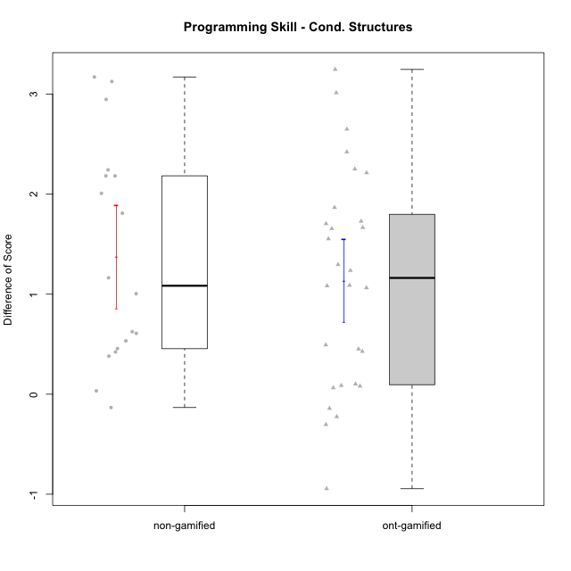

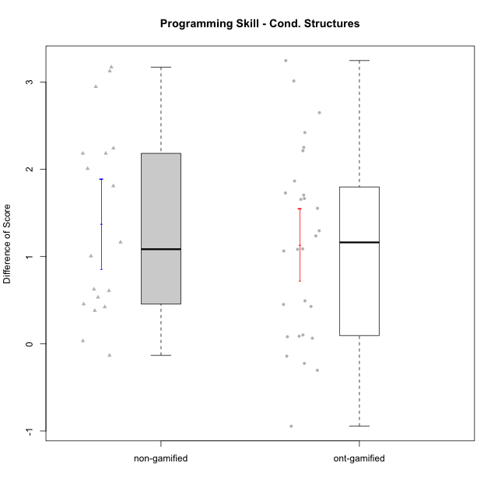

Student's t-Test data
UserID | NroUSP | Type | CLGroup | CLRole | PlayerRole | Re2 | Re1 | Un2 | Un1 | Ap2 | Ap3 | Ap1 | An3 | Ev2 | Ev1 | ReB | ReA | UnB | UnA | ApB | ApC | ApA | AnC | EvB | EvA | PreScore | PostScore | DiffScore
10169 | 10377538 | ont-gamified | Grupo Hefesto | Master | Yee Achiever | 1 | 1 | 0 | 0.94444444444 | 1 | 0.5 | 1 | 0.5 | 1 | 1 | 0.8 | 1 | 0.75 | 1 | 0.91666666667 | 0.375 | 1 | 0.5 | 0.66666666667 | 1 | 7.9444444444 | 8.0083333333 | 0.063888888889
10170 | 10260351 | ont-gamified | Grupo Afrodite | Apprentice | Yee Achiever | 0.975 | 1 | 0.5 | 0.94444444444 | 0 | 0 | 0.5 | 0.9375 | 1 | 0.66666666667 | 0.775 | 1 | 1 | 1 | 0.91666666667 | 0.5 | 1 | 1 | 0.58333333333 | 1 | 6.5236111111 | 8.775 | 2.2513888889
10171 | 698531 | non-gamified | Grupo Team 6 | Apprentice |  | 1 | 0.96666666667 | 0 | 0.61111111111 | 1 | 1 | 1 | 1 | 0 | 0.25 | 1 | 1 | 1 | 1 | 1 | 1 | 1 | 1 | 1 | 1 | 6.8277777778 | 10 | 3.1722222222
10174 | 10276852 | ont-gamified | Grupo Urano | Master | Yee Achiever | 1 | 0.73333333333 | 0.5 | 0.94444444444 | 1 | 0.5 | 1 | 0.5 | 0.5 | 1 | 0.55 | 0.75 | 1 | 0.61111111111 | 0.91666666667 | 0.375 | 1 | 1 | 0.25 | 1 | 7.6777777778 | 7.4527777778 | -0.225
10175 | 10310700 | ont-gamified | Grupo Hélio | Master | Yee Socializer | 0.975 | 1 | 0.5 | 0.94444444444 | 1 | 1 | 1 | 1 | 1 | 1 | 1 | 1 | 1 | 1 | 1 | 0.5 | 1 | 1 | 1 | 1 | 9.4194444444 | 9.5 | 0.080555555556
10176 | 10276949 | ont-gamified | Grupo Cronus | Apprentice | Yee Achiever | 1 | 1 | 0.5 | 0.66666666667 | 0 | 1 | 1 | 0.875 | 0.4 | 0.66666666667 | 1 | 1 | 1 | 1 | 1 | 0.5 | 1 | 0.92857142857 | 0.58333333333 | 0.33333333333 | 7.1083333333 | 8.3452380952 | 1.2369047619
10181 | 10276866 | non-gamified | Grupo Team 10 | Master |  | 1 | 1 | 0.5 | 0.94444444444 | 1 | 0.5 | 1 | 1 | 0.4 | 1 | 0.975 | 1 | 1 | 1 | 0.66666666667 | 0.5 | 1 | 1 | 0.58333333333 | 1 | 8.3444444444 | 8.725 | 0.38055555556
10183 | 10352030 | ont-gamified | Grupo Hélio | Apprentice | Yee Socializer | 0.775 | 0.98333333333 | 0.5 | 1 | 1 | 0.375 | 0.33333333333 | 0.9375 | 0.4 | 0 | 1 | 1 | 0.75 | 1 | 0.75 | 0.375 | 1 | 0.92857142857 | 0.16666666667 | 1 | 6.3041666667 | 7.9702380952 | 1.6660714286
10184 | 10276675 | ont-gamified | Grupo Apolo | Master | Yee Socializer | 1 | 1 | 0.16666666667 | 0.94444444444 | 1 | 0.5 | 1 | 0.9375 | 1 | 1 | 1 | 1 | 0 | 1 | 1 | 1 | 1 | 1 | 1 | 1 | 8.5486111111 | 9 | 0.45138888889
10185 | 10276960 | non-gamified | Grupo Team 12 | Apprentice |  | 0.3 | 0.76666666667 | 0.66666666667 | 0.94444444444 | 1 | 0.375 | 1 | 0.4375 | 1 | 1 | 1 | 0.98333333333 | 0.75 | 1 | 1 | 1 | 1 | 1 | 1 | 1 | 7.4902777778 | 9.7333333333 | 2.2430555556
10186 | 10310551 | ont-gamified | Grupo Ares | Apprentice | Yee Achiever | 1 | 0.96666666667 | 0.33333333333 | 0.94444444444 | 0 | 1 | 1 | 1 | 0 | 1 | 1 | 1 | 1 | 1 | 1 | 1 | 1 | 1 | 0.66666666667 | 1 | 7.2444444444 | 9.6666666667 | 2.4222222222
10187 | 9790781 | non-gamified | Grupo Team 15 | Apprentice |  | 0.55 | 0.95 | 0.5 | 0.94444444444 | 1 | 0.5 | 1 | 0.4375 | 0 | 1 | 0.775 | 0.91666666667 | 1 | 1 | 0.91666666667 | 0.5 | 1 | 1 | 0.58333333333 | 1 | 6.8819444444 | 8.6916666667 | 1.8097222222
10188 | 10276995 | non-gamified | Grupo Team 3 | Master |  | 0.8 | 1 | 1 | 0.66666666667 | 1 | 1 | 1 | 1 | 1 | 1 | 1 | 1 | 1 | 1 | 1 | 1 | 1 | 1 | 1 | 1 | 9.4666666667 | 10 | 0.53333333333
10189 | 9363926 | ont-gamified | Grupo Hades | Master | Yee Socializer | 0.775 | 0.9 | 0.5 | 0.94444444444 | 1 | 1 | 1 | 0.9375 | 1 | 1 | 1 | 0.93333333333 | 0 | 1 | 1 | 1 | 1 | 0.92857142857 | 0.25 | 1 | 9.0569444444 | 8.1119047619 | -0.94503968254
10190 | 10276907 | ont-gamified | Grupo Zeus | Apprentice | Yee Socializer | 0.725 | 0.9 | 0.5 | 0.66666666667 | 1 | 1 | 1 | 0.3125 | 0.5 | 0 | 1 | 0.9 | 0 | 1 | 1 | 1 | 1 | 1 | 0 | 1 | 6.6041666667 | 7.9 | 1.2958333333
10191 | 10276981 | non-gamified | Grupo Team 6 | Master |  | 0.8 | 1 | 1 | 0.94444444444 | 1 | 0.5 | 1 | 1 | 1 | 1 | 1 | 1 | 1 | 0.66666666667 | 1 | 1 | 1 | 1 | 1 | 1 | 9.2444444444 | 9.6666666667 | 0.42222222222
10192 | 10276682 | non-gamified | Grupo Team 5 | Apprentice |  | 0.95 | 1 | 0.5 | 0.94444444444 | 0 | 0.375 | 1 | 0.9375 | 0 | 0.66666666667 | 1 | 1 | 1 | 1 | 1 | 0.5 | 1 | 1 | 1 | 1 | 6.3736111111 | 9.5 | 3.1263888889
10193 | 10276762 | ont-gamified | Grupo Afrodite | Master | Yee Achiever | 0.975 | 0.98333333333 | 1 | 0.94444444444 | 1 | 0.5 | 1 | 1 | 0 | 1 | 1 | 0.96666666667 | 0 | 1 | 1 | 1 | 1 | 0.92857142857 | 1 | 1 | 8.4027777778 | 8.8952380952 | 0.49246031746
10195 | 10351971 | ont-gamified | Grupo Urano | Apprentice | Yee Achiever | 0.975 | 1 | 0.5 | 0.94444444444 | 1 | 0.5 | 1 | 0.4375 | 0.4 | 1 | 1 | 1 | 1 | 1 | 0.91666666667 | 0.5 | 1 | 0.42857142857 | 1 | 1 | 7.7569444444 | 8.8452380952 | 1.0882936508
10196 | 10310655 | ont-gamified | Grupo Hefesto | Apprentice | Yee Achiever | 0.775 | 0.78333333333 | 0.5 | 0.61111111111 | 0 | 0.5 | 1 | 1 | 0.5 | 0.66666666667 | 1 | 1 | 1 | 1 | 1 | 1 | 1 | 1 | 0.58333333333 | 1 | 6.3361111111 | 9.5833333333 | 3.2472222222
10197 | 10276661 | ont-gamified | Grupo Gaia | Apprentice | Yee Achiever | 0.525 | 0.98333333333 | 0 | 0.94444444444 | 0 | 1 | 1 | 1 | 0.5 | 1 | 1 | 1 | 1 | 1 | 1 | 0.5 | 1 | 1 | 0.66666666667 | 1 | 6.9527777778 | 9.1666666667 | 2.2138888889
10198 | 10310888 | ont-gamified | Grupo Apolo | Apprentice | Yee Socializer | 0.525 | 0.93333333333 | 0.5 | 0.61111111111 | 0 | 0.375 | 1 | 0.375 | 0.5 | 0.66666666667 | 1 | 1 | 0.75 | 0.66666666667 | 1 | 0.5 | 1 | 1 | 0.58333333333 | 1 | 5.4861111111 | 8.5 | 3.0138888889
10199 | 10276737 | ont-gamified | Grupo Gaia | Master | Yee Achiever | 0.975 | 1 | 0.5 | 0.66666666667 | 1 | 1 | 0.33333333333 | 1 | 0.5 | 1 | 1 | 0.8 | 1 | 0.66666666667 | 1 | 1 | 0.33333333333 | 0.92857142857 | 1 | 0.33333333333 | 7.975 | 8.0619047619 | 0.086904761905
10200 | 9795272 | ont-gamified | Grupo Hades | Apprentice | Yee Socializer | 0.8 | 0.58333333333 | 0.5 | 1 | 0 | 0.5 | 1 | 0.9375 | 1 | 1 | 0.8 | 1 | 1 | 1 | 1 | 1 | 1 | 1 | 0.25 | 1 | 7.3208333333 | 9.05 | 1.7291666667
10201 | 10276928 | ont-gamified | Grupo Caronte | Master | Yee Achiever | 1 | 1 | 0.5 | 0.66666666667 | 0 | 1 | 1 | 1 | 1 | 1 | 1 | 1 | 0.75 | 1 | 1 | 0.5 | 1 | 1 | 1 | 1 | 8.1666666667 | 9.25 | 1.0833333333
10202 | 10277036 | non-gamified | Grupo Team 11 | Apprentice |  | 0.975 | 0.91666666667 | 0.5 | 0.94444444444 | 1 | 0.5 | 1 | 0.9375 | 0.5 | 0 | 1 | 0.93333333333 | 1 | 0.66666666667 | 0.66666666667 | 0.5 | 1 | 0.92857142857 | 0.58333333333 | 1 | 7.2736111111 | 8.2785714286 | 1.0049603175
10204 | 10310471 | ont-gamified | Grupo Hermes | Master | Yee Achiever | 0.975 | 1 | 1 | 0.94444444444 | 1 | 1 | 1 | 0.8125 | 1 | 1 | 1 | 1 | 1 | 1 | 1 | 0.5 | 1 | 0.92857142857 | 1 | 1 | 9.7319444444 | 9.4285714286 | -0.30337301587
10206 | 10310721 | ont-gamified | Grupo Hera | Master | Yee Achiever | 1 | 1 | 0.5 | 0.66666666667 | 1 | 1 | 1 | 1 | 1 | 1 | 1 | 0.98333333333 | 1 | 1 | 0.66666666667 | 0.375 | 1 | 1 | 1 | 1 | 9.1666666667 | 9.025 | -0.14166666667
10208 | 10276932 | non-gamified | Grupo Team 7 | Apprentice |  | 0.775 | 1 | 1 | 0.61111111111 | 0 | 0.5 | 1 | 1 | 0 | 0.66666666667 | 1 | 1 | 1 | 1 | 1 | 0.5 | 1 | 1 | 1 | 1 | 6.5527777778 | 9.5 | 2.9472222222
10209 | 10262669 | ont-gamified | Grupo Artemis | Apprentice | Yee Achiever | 1 | 1 | 0.5 | 1 | 0 | 0.5 | 1 | 1 | 0 | 1 | 1 | 0.98333333333 | 1 | 0.66666666667 | 1 | 1 | 1 | 1 | 1 | 1 | 7 | 9.65 | 2.65
10210 | 10277015 | non-gamified | Grupo Team 9 | Apprentice |  | 0.975 | 0.8 | 0 | 0.61111111111 | 0 | 0.5 | 0.5 | 0.9375 | 1 | 1 | 0.8 | 1 | 1 | 0.94444444444 | 0.75 | 0.5 | 1 | 0.92857142857 | 0.58333333333 | 1 | 6.3236111111 | 8.5063492063 | 2.1827380952
10212 | 9065750 | non-gamified | Grupo Team 4 | Master |  | 0.8 | 0.93333333333 | 0.5 | 1 | 1 | 1 | 1 | 1 | 1 | 1 | 0.6 | 1 | 1 | 1 | 1 | 0.5 | 1 | 1 | 1 | 1 | 9.2333333333 | 9.1 | -0.13333333333
10213 | 10277040 | ont-gamified | Grupo Morfeu | Master | Yee Socializer | 0.375 | 0.8 | 1 | 0.94444444444 | 1 | 1 | 1 | 1 | 0.4 | 1 | 1 | 1 | 1 | 1 | 1 | 1 | 1 | 1 | 0.58333333333 | 1 | 8.5194444444 | 9.5833333333 | 1.0638888889
10214 | 10277022 | non-gamified | Grupo Team 5 | Master |  | 1 | 0.8 | 0.5 | 0.66666666667 | 1 | 1 | 1 | 1 | 1 | 1 | 1 | 1 | 1 | 0.66666666667 | 0.66666666667 | 1 | 1 | 1 | 0.66666666667 | 1 | 8.9666666667 | 9 | 0.033333333333
10215 | 9285227 | ont-gamified | Grupo Zeus | Master | Yee Socializer | 0.975 | 1 | 0.5 | 0.66666666667 | 1 | 0.5 | 1 | 1 | 0.4 | 1 | 1 | 1 | 1 | 0.66666666667 | 1 | 1 | 1 | 0.92857142857 | 1 | 1 | 8.0416666667 | 9.5952380952 | 1.5535714286
10218 | 9842913 | ont-gamified | Grupo Ares | Master | Yee Achiever | 1 | 0.95 | 0 | 0.94444444444 | 1 | 0.5 | 1 | 1 | 0.5 | 1 | 0.8 | 1 | 1 | 1 | 0.75 | 1 | 1 | 1 | 1 | 1 | 7.8944444444 | 9.55 | 1.6555555556
10219 | 10276831 | non-gamified | Grupo Team 12 | Master |  | 1 | 1 | 0.5 | 0.33333333333 | 1 | 0.5 | 1 | 1 | 1 | 1 | 1 | 1 | 1 | 1 | 1 | 0.375 | 1 | 1 | 0.58333333333 | 1 | 8.3333333333 | 8.9583333333 | 0.625
10220 | 9760151 | non-gamified | Grupo Team 2 | Apprentice |  | 0.975 | 0.96666666667 | 0.5 | 0.94444444444 | 0 | 0.5 | 1 | 1 | 0.5 | 1 | 1 | 0.96666666667 | 0 | 1 | 1 | 1 | 1 | 1 | 0.58333333333 | 1 | 7.3861111111 | 8.55 | 1.1638888889
10221 | 9082496 | ont-gamified | Grupo Hermes | Apprentice | Yee Achiever | 0.975 | 0.9 | 0.33333333333 | 0.66666666667 | 0 | 0.375 | 0.33333333333 | 0.875 | 1 | 0.66666666667 | 0.8 | 0.93333333333 | 0 | 0.27777777778 | 0.58333333333 | 0.375 | 1 | 1 | 0.58333333333 | 1 | 6.125 | 6.5527777778 | 0.42777777778
10223 | 9795185 | ont-gamified | Grupo Cronus | Master | Yee Achiever | 0.975 | 0.8 | 1 | 0.94444444444 | 1 | 0.5 | 1 | 0.9375 | 0 | 1 | 1 | 0.93333333333 | 1 | 1 | 1 | 1 | 1 | 0.92857142857 | 1 | 1 | 8.1569444444 | 9.8619047619 | 1.7049603175
10226 | 10310342 | non-gamified | Grupo Team 8 | Master |  | 0.55 | 0.98333333333 | 0.83333333333 | 0.94444444444 | 1 | 1 | 1 | 1 | 0.5 | 1 | 1 | 0.93333333333 | 1 | 0.33333333333 | 1 | 1 | 1 | 1 | 1 | 1 | 8.8111111111 | 9.2666666667 | 0.45555555556
10227 | 9274382 | non-gamified | Grupo Team 4 | Apprentice |  | 0.775 | 0.18333333333 | 0.5 | 0.66666666667 | 1 | 0.375 | 1 | 0.875 | 0.5 | 0.25 | 0.8 | 1 | 1 | 0.66666666667 | 1 | 1 | 1 | 1 | 0.66666666667 | 0 | 6.125 | 8.1333333333 | 2.0083333333
10230 | 10351992 | non-gamified | Grupo Team 14 | Master |  | 0.325 | 0.95 | 1 | 0.88888888889 | 0 | 1 | 1 | 1 | 1 | 0.66666666667 | 0.8 | 1 | 0.75 | 0.88888888889 | 0.91666666667 | 0.5 | 1 | 1 | 0.58333333333 | 1 | 7.8305555556 | 8.4388888889 | 0.60833333333
10231 | 10276911 | ont-gamified | Grupo Caronte | Apprentice | Yee Achiever | 1 | 0.96666666667 | 1 | 0.66666666667 | 1 | 0 | 1 | 1 | 0 | 1 | 1 | 1 | 1 | 1 | 1 | 0.5 | 1 | 1 | 1 | 1 | 7.6333333333 | 9.5 | 1.8666666667
10232 | 10276974 | ont-gamified | Grupo Artemis | Master | Yee Achiever | 0.6 | 1 | 0.5 | 0.94444444444 | 1 | 1 | 1 | 0.4375 | 1 | 1 | 1 | 1 | 1 | 1 | 1 | 0 | 1 | 1 | 0.58333333333 | 1 | 8.4819444444 | 8.5833333333 | 0.10138888889
10233 | 9805320 | non-gamified | Grupo Team 16 | Apprentice |  | 0.775 | 1 | 0.5 | 0.66666666667 | 0 | 0 | 1 | 1 | 0.5 | 1 | 1 | 1 | 1 | 0.33333333333 | 0.91666666667 | 0.375 | 1 | 1 | 1 | 1 | 6.4416666667 | 8.625 | 2.1833333333

Type_CLRole_1
Student's t-Test for Programming Skill - Cond. Structures in Type:CLRole between non-gamified.Apprentice:non-gamified.Master

Student's t-Test results
Alternative hypothesis: less
Group | N | Mean | Mean.Difference | Std.deviation | Std.error | CI.lower | CI.upper | df | t.value | p.value | g | magnitude
non-gamified.Apprentice | 10 | 2.1841865079 | 1.8185615079 | 0.74925008963 | 0.23693368203 | 1.7103191439 | 2.658053872 | 11.833695444 | 7.1048327706 | 0.99999331538 | 2.9334301183 | large
non-gamified.Master | 8 | 0.365625 | -1.8185615079 | 0.27391334729 | 0.096842992664 | 0.17193901467 | 0.55931098533 | 11.833695444 | 7.1048327706 | 0.99999331538 | 2.9334301183 | large
Alternative hypothesis: greater
Group | N | Mean | Mean.Difference | Std.deviation | Std.error | CI.lower | CI.upper | df | t.value | p.value | g | magnitude
non-gamified.Apprentice | 10 | 2.1841865079 | 1.8185615079 | 0.74925008963 | 0.23693368203 | 1.7103191439 | 2.658053872 | 11.833695444 | 7.1048327706 | 6.6846196804E-06 | 2.9334301183 | large
non-gamified.Master | 8 | 0.365625 | -1.8185615079 | 0.27391334729 | 0.096842992664 | 0.17193901467 | 0.55931098533 | 11.833695444 | 7.1048327706 | 6.6846196804E-06 | 2.9334301183 | large
Alternative hypothesis: two.sided
Group | N | Mean | Mean.Difference | Std.deviation | Std.error | CI.lower | CI.upper | df | t.value | p.value | g | magnitude
non-gamified.Apprentice | 10 | 2.1841865079 | 1.8185615079 | 0.74925008963 | 0.23693368203 | 1.7103191439 | 2.658053872 | 11.833695444 | 7.1048327706 | 1.3369239361E-05 | 2.9334301183 | large
non-gamified.Master | 8 | 0.365625 | -1.8185615079 | 0.27391334729 | 0.096842992664 | 0.17193901467 | 0.55931098533 | 11.833695444 | 7.1048327706 | 1.3369239361E-05 | 2.9334301183 | large

Box plots for Student's t-Test
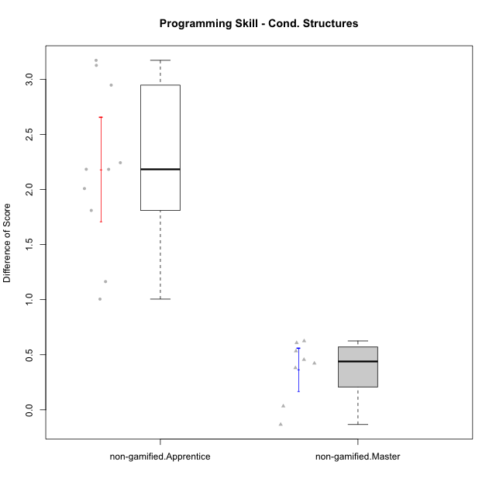

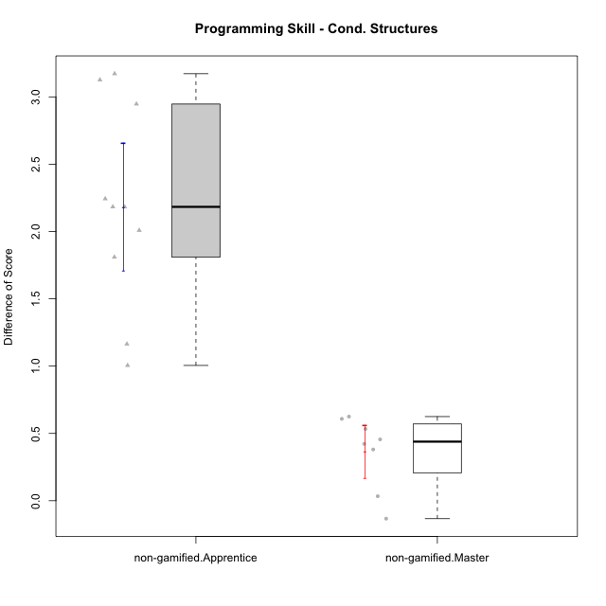

Student's t-Test data
UserID | NroUSP | Type | CLGroup | CLRole | PlayerRole | Re2 | Re1 | Un2 | Un1 | Ap2 | Ap3 | Ap1 | An3 | Ev2 | Ev1 | ReB | ReA | UnB | UnA | ApB | ApC | ApA | AnC | EvB | EvA | PreScore | PostScore | DiffScore
10171 | 698531 | non-gamified | Grupo Team 6 | Apprentice |  | 1 | 0.96666666667 | 0 | 0.61111111111 | 1 | 1 | 1 | 1 | 0 | 0.25 | 1 | 1 | 1 | 1 | 1 | 1 | 1 | 1 | 1 | 1 | 6.8277777778 | 10 | 3.1722222222
10181 | 10276866 | non-gamified | Grupo Team 10 | Master |  | 1 | 1 | 0.5 | 0.94444444444 | 1 | 0.5 | 1 | 1 | 0.4 | 1 | 0.975 | 1 | 1 | 1 | 0.66666666667 | 0.5 | 1 | 1 | 0.58333333333 | 1 | 8.3444444444 | 8.725 | 0.38055555556
10185 | 10276960 | non-gamified | Grupo Team 12 | Apprentice |  | 0.3 | 0.76666666667 | 0.66666666667 | 0.94444444444 | 1 | 0.375 | 1 | 0.4375 | 1 | 1 | 1 | 0.98333333333 | 0.75 | 1 | 1 | 1 | 1 | 1 | 1 | 1 | 7.4902777778 | 9.7333333333 | 2.2430555556
10187 | 9790781 | non-gamified | Grupo Team 15 | Apprentice |  | 0.55 | 0.95 | 0.5 | 0.94444444444 | 1 | 0.5 | 1 | 0.4375 | 0 | 1 | 0.775 | 0.91666666667 | 1 | 1 | 0.91666666667 | 0.5 | 1 | 1 | 0.58333333333 | 1 | 6.8819444444 | 8.6916666667 | 1.8097222222
10188 | 10276995 | non-gamified | Grupo Team 3 | Master |  | 0.8 | 1 | 1 | 0.66666666667 | 1 | 1 | 1 | 1 | 1 | 1 | 1 | 1 | 1 | 1 | 1 | 1 | 1 | 1 | 1 | 1 | 9.4666666667 | 10 | 0.53333333333
10191 | 10276981 | non-gamified | Grupo Team 6 | Master |  | 0.8 | 1 | 1 | 0.94444444444 | 1 | 0.5 | 1 | 1 | 1 | 1 | 1 | 1 | 1 | 0.66666666667 | 1 | 1 | 1 | 1 | 1 | 1 | 9.2444444444 | 9.6666666667 | 0.42222222222
10192 | 10276682 | non-gamified | Grupo Team 5 | Apprentice |  | 0.95 | 1 | 0.5 | 0.94444444444 | 0 | 0.375 | 1 | 0.9375 | 0 | 0.66666666667 | 1 | 1 | 1 | 1 | 1 | 0.5 | 1 | 1 | 1 | 1 | 6.3736111111 | 9.5 | 3.1263888889
10202 | 10277036 | non-gamified | Grupo Team 11 | Apprentice |  | 0.975 | 0.91666666667 | 0.5 | 0.94444444444 | 1 | 0.5 | 1 | 0.9375 | 0.5 | 0 | 1 | 0.93333333333 | 1 | 0.66666666667 | 0.66666666667 | 0.5 | 1 | 0.92857142857 | 0.58333333333 | 1 | 7.2736111111 | 8.2785714286 | 1.0049603175
10208 | 10276932 | non-gamified | Grupo Team 7 | Apprentice |  | 0.775 | 1 | 1 | 0.61111111111 | 0 | 0.5 | 1 | 1 | 0 | 0.66666666667 | 1 | 1 | 1 | 1 | 1 | 0.5 | 1 | 1 | 1 | 1 | 6.5527777778 | 9.5 | 2.9472222222
10210 | 10277015 | non-gamified | Grupo Team 9 | Apprentice |  | 0.975 | 0.8 | 0 | 0.61111111111 | 0 | 0.5 | 0.5 | 0.9375 | 1 | 1 | 0.8 | 1 | 1 | 0.94444444444 | 0.75 | 0.5 | 1 | 0.92857142857 | 0.58333333333 | 1 | 6.3236111111 | 8.5063492063 | 2.1827380952
10212 | 9065750 | non-gamified | Grupo Team 4 | Master |  | 0.8 | 0.93333333333 | 0.5 | 1 | 1 | 1 | 1 | 1 | 1 | 1 | 0.6 | 1 | 1 | 1 | 1 | 0.5 | 1 | 1 | 1 | 1 | 9.2333333333 | 9.1 | -0.13333333333
10214 | 10277022 | non-gamified | Grupo Team 5 | Master |  | 1 | 0.8 | 0.5 | 0.66666666667 | 1 | 1 | 1 | 1 | 1 | 1 | 1 | 1 | 1 | 0.66666666667 | 0.66666666667 | 1 | 1 | 1 | 0.66666666667 | 1 | 8.9666666667 | 9 | 0.033333333333
10219 | 10276831 | non-gamified | Grupo Team 12 | Master |  | 1 | 1 | 0.5 | 0.33333333333 | 1 | 0.5 | 1 | 1 | 1 | 1 | 1 | 1 | 1 | 1 | 1 | 0.375 | 1 | 1 | 0.58333333333 | 1 | 8.3333333333 | 8.9583333333 | 0.625
10220 | 9760151 | non-gamified | Grupo Team 2 | Apprentice |  | 0.975 | 0.96666666667 | 0.5 | 0.94444444444 | 0 | 0.5 | 1 | 1 | 0.5 | 1 | 1 | 0.96666666667 | 0 | 1 | 1 | 1 | 1 | 1 | 0.58333333333 | 1 | 7.3861111111 | 8.55 | 1.1638888889
10226 | 10310342 | non-gamified | Grupo Team 8 | Master |  | 0.55 | 0.98333333333 | 0.83333333333 | 0.94444444444 | 1 | 1 | 1 | 1 | 0.5 | 1 | 1 | 0.93333333333 | 1 | 0.33333333333 | 1 | 1 | 1 | 1 | 1 | 1 | 8.8111111111 | 9.2666666667 | 0.45555555556
10227 | 9274382 | non-gamified | Grupo Team 4 | Apprentice |  | 0.775 | 0.18333333333 | 0.5 | 0.66666666667 | 1 | 0.375 | 1 | 0.875 | 0.5 | 0.25 | 0.8 | 1 | 1 | 0.66666666667 | 1 | 1 | 1 | 1 | 0.66666666667 | 0 | 6.125 | 8.1333333333 | 2.0083333333
10230 | 10351992 | non-gamified | Grupo Team 14 | Master |  | 0.325 | 0.95 | 1 | 0.88888888889 | 0 | 1 | 1 | 1 | 1 | 0.66666666667 | 0.8 | 1 | 0.75 | 0.88888888889 | 0.91666666667 | 0.5 | 1 | 1 | 0.58333333333 | 1 | 7.8305555556 | 8.4388888889 | 0.60833333333
10233 | 9805320 | non-gamified | Grupo Team 16 | Apprentice |  | 0.775 | 1 | 0.5 | 0.66666666667 | 0 | 0 | 1 | 1 | 0.5 | 1 | 1 | 1 | 1 | 0.33333333333 | 0.91666666667 | 0.375 | 1 | 1 | 1 | 1 | 6.4416666667 | 8.625 | 2.1833333333

Type_CLRole_2
Student's t-Test for Programming Skill - Cond. Structures in Type:CLRole between non-gamified.Apprentice:ont-gamified.Apprentice

Student's t-Test results
Alternative hypothesis: less
Group | N | Mean | Mean.Difference | Std.deviation | Std.error | CI.lower | CI.upper | df | t.value | p.value | g | magnitude
non-gamified.Apprentice | 10 | 2.1841865079 | 0.25269993895 | 0.74925008963 | 0.23693368203 | 1.7103191439 | 2.658053872 | 20.178871266 | 0.77528120884 | 0.77641777595 | 0.31114490284 | small
ont-gamified.Apprentice | 13 | 1.931486569 | -0.25269993895 | 0.80705845492 | 0.22383774166 | 1.4838110857 | 2.3791620523 | 20.178871266 | 0.77528120884 | 0.77641777595 | 0.31114490284 | small
Alternative hypothesis: greater
Group | N | Mean | Mean.Difference | Std.deviation | Std.error | CI.lower | CI.upper | df | t.value | p.value | g | magnitude
non-gamified.Apprentice | 10 | 2.1841865079 | 0.25269993895 | 0.74925008963 | 0.23693368203 | 1.7103191439 | 2.658053872 | 20.178871266 | 0.77528120884 | 0.22358222405 | 0.31114490284 | small
ont-gamified.Apprentice | 13 | 1.931486569 | -0.25269993895 | 0.80705845492 | 0.22383774166 | 1.4838110857 | 2.3791620523 | 20.178871266 | 0.77528120884 | 0.22358222405 | 0.31114490284 | small
Alternative hypothesis: two.sided
Group | N | Mean | Mean.Difference | Std.deviation | Std.error | CI.lower | CI.upper | df | t.value | p.value | g | magnitude
non-gamified.Apprentice | 10 | 2.1841865079 | 0.25269993895 | 0.74925008963 | 0.23693368203 | 1.7103191439 | 2.658053872 | 20.178871266 | 0.77528120884 | 0.44716444809 | 0.31114490284 | small
ont-gamified.Apprentice | 13 | 1.931486569 | -0.25269993895 | 0.80705845492 | 0.22383774166 | 1.4838110857 | 2.3791620523 | 20.178871266 | 0.77528120884 | 0.44716444809 | 0.31114490284 | small

Box plots for Student's t-Test
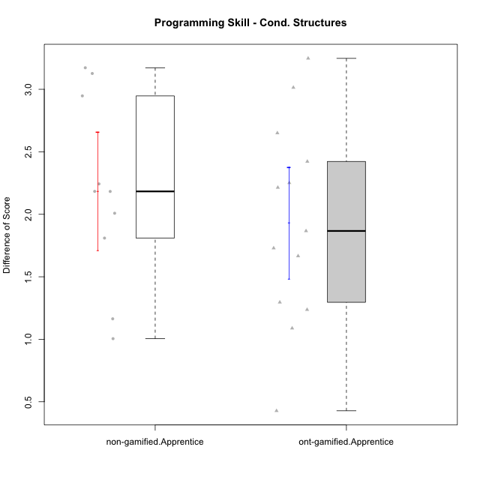

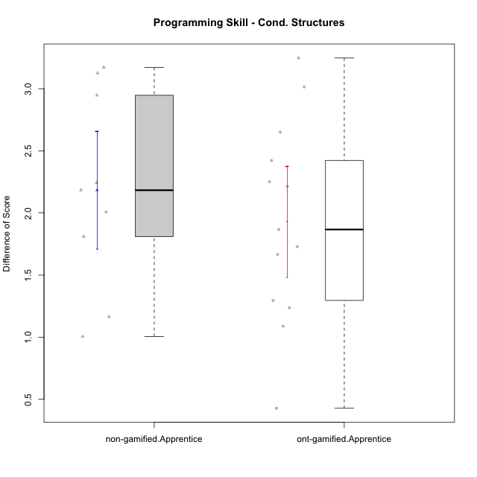

Student's t-Test data
UserID | NroUSP | Type | CLGroup | CLRole | PlayerRole | Re2 | Re1 | Un2 | Un1 | Ap2 | Ap3 | Ap1 | An3 | Ev2 | Ev1 | ReB | ReA | UnB | UnA | ApB | ApC | ApA | AnC | EvB | EvA | PreScore | PostScore | DiffScore
10170 | 10260351 | ont-gamified | Grupo Afrodite | Apprentice | Yee Achiever | 0.975 | 1 | 0.5 | 0.94444444444 | 0 | 0 | 0.5 | 0.9375 | 1 | 0.66666666667 | 0.775 | 1 | 1 | 1 | 0.91666666667 | 0.5 | 1 | 1 | 0.58333333333 | 1 | 6.5236111111 | 8.775 | 2.2513888889
10171 | 698531 | non-gamified | Grupo Team 6 | Apprentice |  | 1 | 0.96666666667 | 0 | 0.61111111111 | 1 | 1 | 1 | 1 | 0 | 0.25 | 1 | 1 | 1 | 1 | 1 | 1 | 1 | 1 | 1 | 1 | 6.8277777778 | 10 | 3.1722222222
10176 | 10276949 | ont-gamified | Grupo Cronus | Apprentice | Yee Achiever | 1 | 1 | 0.5 | 0.66666666667 | 0 | 1 | 1 | 0.875 | 0.4 | 0.66666666667 | 1 | 1 | 1 | 1 | 1 | 0.5 | 1 | 0.92857142857 | 0.58333333333 | 0.33333333333 | 7.1083333333 | 8.3452380952 | 1.2369047619
10183 | 10352030 | ont-gamified | Grupo Hélio | Apprentice | Yee Socializer | 0.775 | 0.98333333333 | 0.5 | 1 | 1 | 0.375 | 0.33333333333 | 0.9375 | 0.4 | 0 | 1 | 1 | 0.75 | 1 | 0.75 | 0.375 | 1 | 0.92857142857 | 0.16666666667 | 1 | 6.3041666667 | 7.9702380952 | 1.6660714286
10185 | 10276960 | non-gamified | Grupo Team 12 | Apprentice |  | 0.3 | 0.76666666667 | 0.66666666667 | 0.94444444444 | 1 | 0.375 | 1 | 0.4375 | 1 | 1 | 1 | 0.98333333333 | 0.75 | 1 | 1 | 1 | 1 | 1 | 1 | 1 | 7.4902777778 | 9.7333333333 | 2.2430555556
10186 | 10310551 | ont-gamified | Grupo Ares | Apprentice | Yee Achiever | 1 | 0.96666666667 | 0.33333333333 | 0.94444444444 | 0 | 1 | 1 | 1 | 0 | 1 | 1 | 1 | 1 | 1 | 1 | 1 | 1 | 1 | 0.66666666667 | 1 | 7.2444444444 | 9.6666666667 | 2.4222222222
10187 | 9790781 | non-gamified | Grupo Team 15 | Apprentice |  | 0.55 | 0.95 | 0.5 | 0.94444444444 | 1 | 0.5 | 1 | 0.4375 | 0 | 1 | 0.775 | 0.91666666667 | 1 | 1 | 0.91666666667 | 0.5 | 1 | 1 | 0.58333333333 | 1 | 6.8819444444 | 8.6916666667 | 1.8097222222
10190 | 10276907 | ont-gamified | Grupo Zeus | Apprentice | Yee Socializer | 0.725 | 0.9 | 0.5 | 0.66666666667 | 1 | 1 | 1 | 0.3125 | 0.5 | 0 | 1 | 0.9 | 0 | 1 | 1 | 1 | 1 | 1 | 0 | 1 | 6.6041666667 | 7.9 | 1.2958333333
10192 | 10276682 | non-gamified | Grupo Team 5 | Apprentice |  | 0.95 | 1 | 0.5 | 0.94444444444 | 0 | 0.375 | 1 | 0.9375 | 0 | 0.66666666667 | 1 | 1 | 1 | 1 | 1 | 0.5 | 1 | 1 | 1 | 1 | 6.3736111111 | 9.5 | 3.1263888889
10195 | 10351971 | ont-gamified | Grupo Urano | Apprentice | Yee Achiever | 0.975 | 1 | 0.5 | 0.94444444444 | 1 | 0.5 | 1 | 0.4375 | 0.4 | 1 | 1 | 1 | 1 | 1 | 0.91666666667 | 0.5 | 1 | 0.42857142857 | 1 | 1 | 7.7569444444 | 8.8452380952 | 1.0882936508
10196 | 10310655 | ont-gamified | Grupo Hefesto | Apprentice | Yee Achiever | 0.775 | 0.78333333333 | 0.5 | 0.61111111111 | 0 | 0.5 | 1 | 1 | 0.5 | 0.66666666667 | 1 | 1 | 1 | 1 | 1 | 1 | 1 | 1 | 0.58333333333 | 1 | 6.3361111111 | 9.5833333333 | 3.2472222222
10197 | 10276661 | ont-gamified | Grupo Gaia | Apprentice | Yee Achiever | 0.525 | 0.98333333333 | 0 | 0.94444444444 | 0 | 1 | 1 | 1 | 0.5 | 1 | 1 | 1 | 1 | 1 | 1 | 0.5 | 1 | 1 | 0.66666666667 | 1 | 6.9527777778 | 9.1666666667 | 2.2138888889
10198 | 10310888 | ont-gamified | Grupo Apolo | Apprentice | Yee Socializer | 0.525 | 0.93333333333 | 0.5 | 0.61111111111 | 0 | 0.375 | 1 | 0.375 | 0.5 | 0.66666666667 | 1 | 1 | 0.75 | 0.66666666667 | 1 | 0.5 | 1 | 1 | 0.58333333333 | 1 | 5.4861111111 | 8.5 | 3.0138888889
10200 | 9795272 | ont-gamified | Grupo Hades | Apprentice | Yee Socializer | 0.8 | 0.58333333333 | 0.5 | 1 | 0 | 0.5 | 1 | 0.9375 | 1 | 1 | 0.8 | 1 | 1 | 1 | 1 | 1 | 1 | 1 | 0.25 | 1 | 7.3208333333 | 9.05 | 1.7291666667
10202 | 10277036 | non-gamified | Grupo Team 11 | Apprentice |  | 0.975 | 0.91666666667 | 0.5 | 0.94444444444 | 1 | 0.5 | 1 | 0.9375 | 0.5 | 0 | 1 | 0.93333333333 | 1 | 0.66666666667 | 0.66666666667 | 0.5 | 1 | 0.92857142857 | 0.58333333333 | 1 | 7.2736111111 | 8.2785714286 | 1.0049603175
10208 | 10276932 | non-gamified | Grupo Team 7 | Apprentice |  | 0.775 | 1 | 1 | 0.61111111111 | 0 | 0.5 | 1 | 1 | 0 | 0.66666666667 | 1 | 1 | 1 | 1 | 1 | 0.5 | 1 | 1 | 1 | 1 | 6.5527777778 | 9.5 | 2.9472222222
10209 | 10262669 | ont-gamified | Grupo Artemis | Apprentice | Yee Achiever | 1 | 1 | 0.5 | 1 | 0 | 0.5 | 1 | 1 | 0 | 1 | 1 | 0.98333333333 | 1 | 0.66666666667 | 1 | 1 | 1 | 1 | 1 | 1 | 7 | 9.65 | 2.65
10210 | 10277015 | non-gamified | Grupo Team 9 | Apprentice |  | 0.975 | 0.8 | 0 | 0.61111111111 | 0 | 0.5 | 0.5 | 0.9375 | 1 | 1 | 0.8 | 1 | 1 | 0.94444444444 | 0.75 | 0.5 | 1 | 0.92857142857 | 0.58333333333 | 1 | 6.3236111111 | 8.5063492063 | 2.1827380952
10220 | 9760151 | non-gamified | Grupo Team 2 | Apprentice |  | 0.975 | 0.96666666667 | 0.5 | 0.94444444444 | 0 | 0.5 | 1 | 1 | 0.5 | 1 | 1 | 0.96666666667 | 0 | 1 | 1 | 1 | 1 | 1 | 0.58333333333 | 1 | 7.3861111111 | 8.55 | 1.1638888889
10221 | 9082496 | ont-gamified | Grupo Hermes | Apprentice | Yee Achiever | 0.975 | 0.9 | 0.33333333333 | 0.66666666667 | 0 | 0.375 | 0.33333333333 | 0.875 | 1 | 0.66666666667 | 0.8 | 0.93333333333 | 0 | 0.27777777778 | 0.58333333333 | 0.375 | 1 | 1 | 0.58333333333 | 1 | 6.125 | 6.5527777778 | 0.42777777778
10227 | 9274382 | non-gamified | Grupo Team 4 | Apprentice |  | 0.775 | 0.18333333333 | 0.5 | 0.66666666667 | 1 | 0.375 | 1 | 0.875 | 0.5 | 0.25 | 0.8 | 1 | 1 | 0.66666666667 | 1 | 1 | 1 | 1 | 0.66666666667 | 0 | 6.125 | 8.1333333333 | 2.0083333333
10231 | 10276911 | ont-gamified | Grupo Caronte | Apprentice | Yee Achiever | 1 | 0.96666666667 | 1 | 0.66666666667 | 1 | 0 | 1 | 1 | 0 | 1 | 1 | 1 | 1 | 1 | 1 | 0.5 | 1 | 1 | 1 | 1 | 7.6333333333 | 9.5 | 1.8666666667
10233 | 9805320 | non-gamified | Grupo Team 16 | Apprentice |  | 0.775 | 1 | 0.5 | 0.66666666667 | 0 | 0 | 1 | 1 | 0.5 | 1 | 1 | 1 | 1 | 0.33333333333 | 0.91666666667 | 0.375 | 1 | 1 | 1 | 1 | 6.4416666667 | 8.625 | 2.1833333333

Type_CLRole_3
Student's t-Test for Programming Skill - Cond. Structures in Type:CLRole between non-gamified.Apprentice:ont-gamified.Master

Student's t-Test results
Alternative hypothesis: less
Group | N | Mean | Mean.Difference | Std.deviation | Std.error | CI.lower | CI.upper | df | t.value | p.value | g | magnitude
non-gamified.Apprentice | 10 | 2.1841865079 | 1.7359986772 | 0.74925008963 | 0.23693368203 | 1.7103191439 | 2.658053872 | 20.274267014 | 5.5329414472 | 0.99999025435 | 2.1566320875 | large
ont-gamified.Master | 15 | 0.44818783069 | -1.7359986772 | 0.79661003315 | 0.20568382612 | 0.036820178446 | 0.85955548293 | 20.274267014 | 5.5329414472 | 0.99999025435 | 2.1566320875 | large
Alternative hypothesis: greater
Group | N | Mean | Mean.Difference | Std.deviation | Std.error | CI.lower | CI.upper | df | t.value | p.value | g | magnitude
non-gamified.Apprentice | 10 | 2.1841865079 | 1.7359986772 | 0.74925008963 | 0.23693368203 | 1.7103191439 | 2.658053872 | 20.274267014 | 5.5329414472 | 9.7456534443E-06 | 2.1566320875 | large
ont-gamified.Master | 15 | 0.44818783069 | -1.7359986772 | 0.79661003315 | 0.20568382612 | 0.036820178446 | 0.85955548293 | 20.274267014 | 5.5329414472 | 9.7456534443E-06 | 2.1566320875 | large
Alternative hypothesis: two.sided
Group | N | Mean | Mean.Difference | Std.deviation | Std.error | CI.lower | CI.upper | df | t.value | p.value | g | magnitude
non-gamified.Apprentice | 10 | 2.1841865079 | 1.7359986772 | 0.74925008963 | 0.23693368203 | 1.7103191439 | 2.658053872 | 20.274267014 | 5.5329414472 | 1.9491306889E-05 | 2.1566320875 | large
ont-gamified.Master | 15 | 0.44818783069 | -1.7359986772 | 0.79661003315 | 0.20568382612 | 0.036820178446 | 0.85955548293 | 20.274267014 | 5.5329414472 | 1.9491306889E-05 | 2.1566320875 | large

Box plots for Student's t-Test
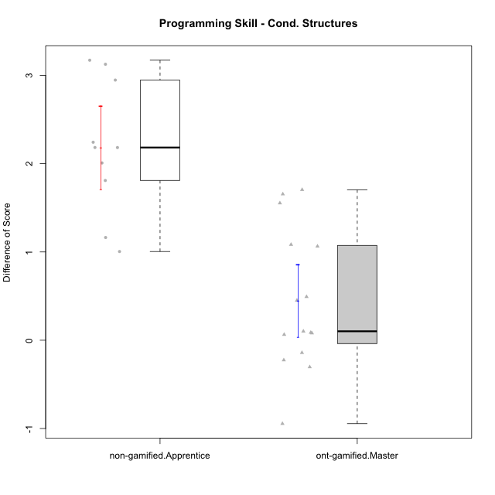

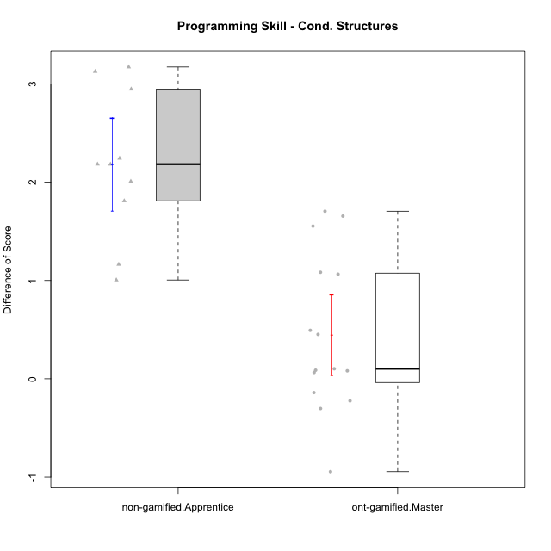

Student's t-Test data
UserID | NroUSP | Type | CLGroup | CLRole | PlayerRole | Re2 | Re1 | Un2 | Un1 | Ap2 | Ap3 | Ap1 | An3 | Ev2 | Ev1 | ReB | ReA | UnB | UnA | ApB | ApC | ApA | AnC | EvB | EvA | PreScore | PostScore | DiffScore
10169 | 10377538 | ont-gamified | Grupo Hefesto | Master | Yee Achiever | 1 | 1 | 0 | 0.94444444444 | 1 | 0.5 | 1 | 0.5 | 1 | 1 | 0.8 | 1 | 0.75 | 1 | 0.91666666667 | 0.375 | 1 | 0.5 | 0.66666666667 | 1 | 7.9444444444 | 8.0083333333 | 0.063888888889
10171 | 698531 | non-gamified | Grupo Team 6 | Apprentice |  | 1 | 0.96666666667 | 0 | 0.61111111111 | 1 | 1 | 1 | 1 | 0 | 0.25 | 1 | 1 | 1 | 1 | 1 | 1 | 1 | 1 | 1 | 1 | 6.8277777778 | 10 | 3.1722222222
10174 | 10276852 | ont-gamified | Grupo Urano | Master | Yee Achiever | 1 | 0.73333333333 | 0.5 | 0.94444444444 | 1 | 0.5 | 1 | 0.5 | 0.5 | 1 | 0.55 | 0.75 | 1 | 0.61111111111 | 0.91666666667 | 0.375 | 1 | 1 | 0.25 | 1 | 7.6777777778 | 7.4527777778 | -0.225
10175 | 10310700 | ont-gamified | Grupo Hélio | Master | Yee Socializer | 0.975 | 1 | 0.5 | 0.94444444444 | 1 | 1 | 1 | 1 | 1 | 1 | 1 | 1 | 1 | 1 | 1 | 0.5 | 1 | 1 | 1 | 1 | 9.4194444444 | 9.5 | 0.080555555556
10184 | 10276675 | ont-gamified | Grupo Apolo | Master | Yee Socializer | 1 | 1 | 0.16666666667 | 0.94444444444 | 1 | 0.5 | 1 | 0.9375 | 1 | 1 | 1 | 1 | 0 | 1 | 1 | 1 | 1 | 1 | 1 | 1 | 8.5486111111 | 9 | 0.45138888889
10185 | 10276960 | non-gamified | Grupo Team 12 | Apprentice |  | 0.3 | 0.76666666667 | 0.66666666667 | 0.94444444444 | 1 | 0.375 | 1 | 0.4375 | 1 | 1 | 1 | 0.98333333333 | 0.75 | 1 | 1 | 1 | 1 | 1 | 1 | 1 | 7.4902777778 | 9.7333333333 | 2.2430555556
10187 | 9790781 | non-gamified | Grupo Team 15 | Apprentice |  | 0.55 | 0.95 | 0.5 | 0.94444444444 | 1 | 0.5 | 1 | 0.4375 | 0 | 1 | 0.775 | 0.91666666667 | 1 | 1 | 0.91666666667 | 0.5 | 1 | 1 | 0.58333333333 | 1 | 6.8819444444 | 8.6916666667 | 1.8097222222
10189 | 9363926 | ont-gamified | Grupo Hades | Master | Yee Socializer | 0.775 | 0.9 | 0.5 | 0.94444444444 | 1 | 1 | 1 | 0.9375 | 1 | 1 | 1 | 0.93333333333 | 0 | 1 | 1 | 1 | 1 | 0.92857142857 | 0.25 | 1 | 9.0569444444 | 8.1119047619 | -0.94503968254
10192 | 10276682 | non-gamified | Grupo Team 5 | Apprentice |  | 0.95 | 1 | 0.5 | 0.94444444444 | 0 | 0.375 | 1 | 0.9375 | 0 | 0.66666666667 | 1 | 1 | 1 | 1 | 1 | 0.5 | 1 | 1 | 1 | 1 | 6.3736111111 | 9.5 | 3.1263888889
10193 | 10276762 | ont-gamified | Grupo Afrodite | Master | Yee Achiever | 0.975 | 0.98333333333 | 1 | 0.94444444444 | 1 | 0.5 | 1 | 1 | 0 | 1 | 1 | 0.96666666667 | 0 | 1 | 1 | 1 | 1 | 0.92857142857 | 1 | 1 | 8.4027777778 | 8.8952380952 | 0.49246031746
10199 | 10276737 | ont-gamified | Grupo Gaia | Master | Yee Achiever | 0.975 | 1 | 0.5 | 0.66666666667 | 1 | 1 | 0.33333333333 | 1 | 0.5 | 1 | 1 | 0.8 | 1 | 0.66666666667 | 1 | 1 | 0.33333333333 | 0.92857142857 | 1 | 0.33333333333 | 7.975 | 8.0619047619 | 0.086904761905
10201 | 10276928 | ont-gamified | Grupo Caronte | Master | Yee Achiever | 1 | 1 | 0.5 | 0.66666666667 | 0 | 1 | 1 | 1 | 1 | 1 | 1 | 1 | 0.75 | 1 | 1 | 0.5 | 1 | 1 | 1 | 1 | 8.1666666667 | 9.25 | 1.0833333333
10202 | 10277036 | non-gamified | Grupo Team 11 | Apprentice |  | 0.975 | 0.91666666667 | 0.5 | 0.94444444444 | 1 | 0.5 | 1 | 0.9375 | 0.5 | 0 | 1 | 0.93333333333 | 1 | 0.66666666667 | 0.66666666667 | 0.5 | 1 | 0.92857142857 | 0.58333333333 | 1 | 7.2736111111 | 8.2785714286 | 1.0049603175
10204 | 10310471 | ont-gamified | Grupo Hermes | Master | Yee Achiever | 0.975 | 1 | 1 | 0.94444444444 | 1 | 1 | 1 | 0.8125 | 1 | 1 | 1 | 1 | 1 | 1 | 1 | 0.5 | 1 | 0.92857142857 | 1 | 1 | 9.7319444444 | 9.4285714286 | -0.30337301587
10206 | 10310721 | ont-gamified | Grupo Hera | Master | Yee Achiever | 1 | 1 | 0.5 | 0.66666666667 | 1 | 1 | 1 | 1 | 1 | 1 | 1 | 0.98333333333 | 1 | 1 | 0.66666666667 | 0.375 | 1 | 1 | 1 | 1 | 9.1666666667 | 9.025 | -0.14166666667
10208 | 10276932 | non-gamified | Grupo Team 7 | Apprentice |  | 0.775 | 1 | 1 | 0.61111111111 | 0 | 0.5 | 1 | 1 | 0 | 0.66666666667 | 1 | 1 | 1 | 1 | 1 | 0.5 | 1 | 1 | 1 | 1 | 6.5527777778 | 9.5 | 2.9472222222
10210 | 10277015 | non-gamified | Grupo Team 9 | Apprentice |  | 0.975 | 0.8 | 0 | 0.61111111111 | 0 | 0.5 | 0.5 | 0.9375 | 1 | 1 | 0.8 | 1 | 1 | 0.94444444444 | 0.75 | 0.5 | 1 | 0.92857142857 | 0.58333333333 | 1 | 6.3236111111 | 8.5063492063 | 2.1827380952
10213 | 10277040 | ont-gamified | Grupo Morfeu | Master | Yee Socializer | 0.375 | 0.8 | 1 | 0.94444444444 | 1 | 1 | 1 | 1 | 0.4 | 1 | 1 | 1 | 1 | 1 | 1 | 1 | 1 | 1 | 0.58333333333 | 1 | 8.5194444444 | 9.5833333333 | 1.0638888889
10215 | 9285227 | ont-gamified | Grupo Zeus | Master | Yee Socializer | 0.975 | 1 | 0.5 | 0.66666666667 | 1 | 0.5 | 1 | 1 | 0.4 | 1 | 1 | 1 | 1 | 0.66666666667 | 1 | 1 | 1 | 0.92857142857 | 1 | 1 | 8.0416666667 | 9.5952380952 | 1.5535714286
10218 | 9842913 | ont-gamified | Grupo Ares | Master | Yee Achiever | 1 | 0.95 | 0 | 0.94444444444 | 1 | 0.5 | 1 | 1 | 0.5 | 1 | 0.8 | 1 | 1 | 1 | 0.75 | 1 | 1 | 1 | 1 | 1 | 7.8944444444 | 9.55 | 1.6555555556
10220 | 9760151 | non-gamified | Grupo Team 2 | Apprentice |  | 0.975 | 0.96666666667 | 0.5 | 0.94444444444 | 0 | 0.5 | 1 | 1 | 0.5 | 1 | 1 | 0.96666666667 | 0 | 1 | 1 | 1 | 1 | 1 | 0.58333333333 | 1 | 7.3861111111 | 8.55 | 1.1638888889
10223 | 9795185 | ont-gamified | Grupo Cronus | Master | Yee Achiever | 0.975 | 0.8 | 1 | 0.94444444444 | 1 | 0.5 | 1 | 0.9375 | 0 | 1 | 1 | 0.93333333333 | 1 | 1 | 1 | 1 | 1 | 0.92857142857 | 1 | 1 | 8.1569444444 | 9.8619047619 | 1.7049603175
10227 | 9274382 | non-gamified | Grupo Team 4 | Apprentice |  | 0.775 | 0.18333333333 | 0.5 | 0.66666666667 | 1 | 0.375 | 1 | 0.875 | 0.5 | 0.25 | 0.8 | 1 | 1 | 0.66666666667 | 1 | 1 | 1 | 1 | 0.66666666667 | 0 | 6.125 | 8.1333333333 | 2.0083333333
10232 | 10276974 | ont-gamified | Grupo Artemis | Master | Yee Achiever | 0.6 | 1 | 0.5 | 0.94444444444 | 1 | 1 | 1 | 0.4375 | 1 | 1 | 1 | 1 | 1 | 1 | 1 | 0 | 1 | 1 | 0.58333333333 | 1 | 8.4819444444 | 8.5833333333 | 0.10138888889
10233 | 9805320 | non-gamified | Grupo Team 16 | Apprentice |  | 0.775 | 1 | 0.5 | 0.66666666667 | 0 | 0 | 1 | 1 | 0.5 | 1 | 1 | 1 | 1 | 0.33333333333 | 0.91666666667 | 0.375 | 1 | 1 | 1 | 1 | 6.4416666667 | 8.625 | 2.1833333333

Type_CLRole_4
Student's t-Test for Programming Skill - Cond. Structures in Type:CLRole between non-gamified.Master:ont-gamified.Apprentice

Student's t-Test results
Alternative hypothesis: less
Group | N | Mean | Mean.Difference | Std.deviation | Std.error | CI.lower | CI.upper | df | t.value | p.value | g | magnitude
non-gamified.Master | 8 | 0.365625 | -1.565861569 | 0.27391334729 | 0.096842992664 | 0.17193901467 | 0.55931098533 | 15.954569084 | -6.420383201 | 4.2926861255E-06 | -2.2687362567 | large
ont-gamified.Apprentice | 13 | 1.931486569 | 1.565861569 | 0.80705845492 | 0.22383774166 | 1.4838110857 | 2.3791620523 | 15.954569084 | -6.420383201 | 4.2926861255E-06 | -2.2687362567 | large
Alternative hypothesis: greater
Group | N | Mean | Mean.Difference | Std.deviation | Std.error | CI.lower | CI.upper | df | t.value | p.value | g | magnitude
non-gamified.Master | 8 | 0.365625 | -1.565861569 | 0.27391334729 | 0.096842992664 | 0.17193901467 | 0.55931098533 | 15.954569084 | -6.420383201 | 0.99999570731 | -2.2687362567 | large
ont-gamified.Apprentice | 13 | 1.931486569 | 1.565861569 | 0.80705845492 | 0.22383774166 | 1.4838110857 | 2.3791620523 | 15.954569084 | -6.420383201 | 0.99999570731 | -2.2687362567 | large
Alternative hypothesis: two.sided
Group | N | Mean | Mean.Difference | Std.deviation | Std.error | CI.lower | CI.upper | df | t.value | p.value | g | magnitude
non-gamified.Master | 8 | 0.365625 | -1.565861569 | 0.27391334729 | 0.096842992664 | 0.17193901467 | 0.55931098533 | 15.954569084 | -6.420383201 | 8.585372251E-06 | -2.2687362567 | large
ont-gamified.Apprentice | 13 | 1.931486569 | 1.565861569 | 0.80705845492 | 0.22383774166 | 1.4838110857 | 2.3791620523 | 15.954569084 | -6.420383201 | 8.585372251E-06 | -2.2687362567 | large

Box plots for Student's t-Test
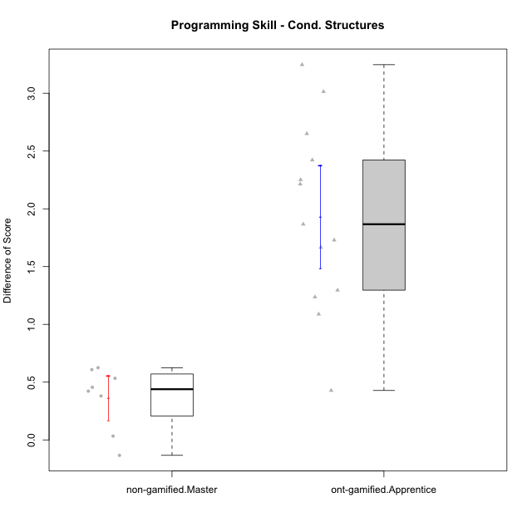

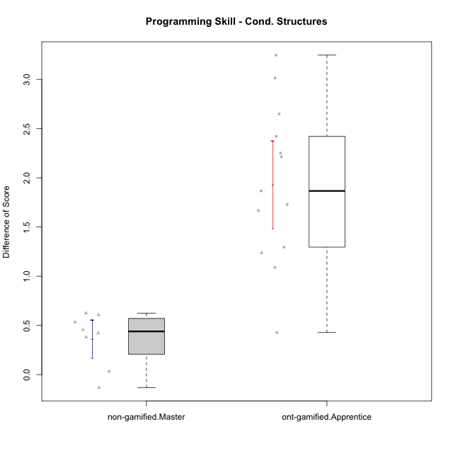

Student's t-Test data
UserID | NroUSP | Type | CLGroup | CLRole | PlayerRole | Re2 | Re1 | Un2 | Un1 | Ap2 | Ap3 | Ap1 | An3 | Ev2 | Ev1 | ReB | ReA | UnB | UnA | ApB | ApC | ApA | AnC | EvB | EvA | PreScore | PostScore | DiffScore
10170 | 10260351 | ont-gamified | Grupo Afrodite | Apprentice | Yee Achiever | 0.975 | 1 | 0.5 | 0.94444444444 | 0 | 0 | 0.5 | 0.9375 | 1 | 0.66666666667 | 0.775 | 1 | 1 | 1 | 0.91666666667 | 0.5 | 1 | 1 | 0.58333333333 | 1 | 6.5236111111 | 8.775 | 2.2513888889
10176 | 10276949 | ont-gamified | Grupo Cronus | Apprentice | Yee Achiever | 1 | 1 | 0.5 | 0.66666666667 | 0 | 1 | 1 | 0.875 | 0.4 | 0.66666666667 | 1 | 1 | 1 | 1 | 1 | 0.5 | 1 | 0.92857142857 | 0.58333333333 | 0.33333333333 | 7.1083333333 | 8.3452380952 | 1.2369047619
10181 | 10276866 | non-gamified | Grupo Team 10 | Master |  | 1 | 1 | 0.5 | 0.94444444444 | 1 | 0.5 | 1 | 1 | 0.4 | 1 | 0.975 | 1 | 1 | 1 | 0.66666666667 | 0.5 | 1 | 1 | 0.58333333333 | 1 | 8.3444444444 | 8.725 | 0.38055555556
10183 | 10352030 | ont-gamified | Grupo Hélio | Apprentice | Yee Socializer | 0.775 | 0.98333333333 | 0.5 | 1 | 1 | 0.375 | 0.33333333333 | 0.9375 | 0.4 | 0 | 1 | 1 | 0.75 | 1 | 0.75 | 0.375 | 1 | 0.92857142857 | 0.16666666667 | 1 | 6.3041666667 | 7.9702380952 | 1.6660714286
10186 | 10310551 | ont-gamified | Grupo Ares | Apprentice | Yee Achiever | 1 | 0.96666666667 | 0.33333333333 | 0.94444444444 | 0 | 1 | 1 | 1 | 0 | 1 | 1 | 1 | 1 | 1 | 1 | 1 | 1 | 1 | 0.66666666667 | 1 | 7.2444444444 | 9.6666666667 | 2.4222222222
10188 | 10276995 | non-gamified | Grupo Team 3 | Master |  | 0.8 | 1 | 1 | 0.66666666667 | 1 | 1 | 1 | 1 | 1 | 1 | 1 | 1 | 1 | 1 | 1 | 1 | 1 | 1 | 1 | 1 | 9.4666666667 | 10 | 0.53333333333
10190 | 10276907 | ont-gamified | Grupo Zeus | Apprentice | Yee Socializer | 0.725 | 0.9 | 0.5 | 0.66666666667 | 1 | 1 | 1 | 0.3125 | 0.5 | 0 | 1 | 0.9 | 0 | 1 | 1 | 1 | 1 | 1 | 0 | 1 | 6.6041666667 | 7.9 | 1.2958333333
10191 | 10276981 | non-gamified | Grupo Team 6 | Master |  | 0.8 | 1 | 1 | 0.94444444444 | 1 | 0.5 | 1 | 1 | 1 | 1 | 1 | 1 | 1 | 0.66666666667 | 1 | 1 | 1 | 1 | 1 | 1 | 9.2444444444 | 9.6666666667 | 0.42222222222
10195 | 10351971 | ont-gamified | Grupo Urano | Apprentice | Yee Achiever | 0.975 | 1 | 0.5 | 0.94444444444 | 1 | 0.5 | 1 | 0.4375 | 0.4 | 1 | 1 | 1 | 1 | 1 | 0.91666666667 | 0.5 | 1 | 0.42857142857 | 1 | 1 | 7.7569444444 | 8.8452380952 | 1.0882936508
10196 | 10310655 | ont-gamified | Grupo Hefesto | Apprentice | Yee Achiever | 0.775 | 0.78333333333 | 0.5 | 0.61111111111 | 0 | 0.5 | 1 | 1 | 0.5 | 0.66666666667 | 1 | 1 | 1 | 1 | 1 | 1 | 1 | 1 | 0.58333333333 | 1 | 6.3361111111 | 9.5833333333 | 3.2472222222
10197 | 10276661 | ont-gamified | Grupo Gaia | Apprentice | Yee Achiever | 0.525 | 0.98333333333 | 0 | 0.94444444444 | 0 | 1 | 1 | 1 | 0.5 | 1 | 1 | 1 | 1 | 1 | 1 | 0.5 | 1 | 1 | 0.66666666667 | 1 | 6.9527777778 | 9.1666666667 | 2.2138888889
10198 | 10310888 | ont-gamified | Grupo Apolo | Apprentice | Yee Socializer | 0.525 | 0.93333333333 | 0.5 | 0.61111111111 | 0 | 0.375 | 1 | 0.375 | 0.5 | 0.66666666667 | 1 | 1 | 0.75 | 0.66666666667 | 1 | 0.5 | 1 | 1 | 0.58333333333 | 1 | 5.4861111111 | 8.5 | 3.0138888889
10200 | 9795272 | ont-gamified | Grupo Hades | Apprentice | Yee Socializer | 0.8 | 0.58333333333 | 0.5 | 1 | 0 | 0.5 | 1 | 0.9375 | 1 | 1 | 0.8 | 1 | 1 | 1 | 1 | 1 | 1 | 1 | 0.25 | 1 | 7.3208333333 | 9.05 | 1.7291666667
10209 | 10262669 | ont-gamified | Grupo Artemis | Apprentice | Yee Achiever | 1 | 1 | 0.5 | 1 | 0 | 0.5 | 1 | 1 | 0 | 1 | 1 | 0.98333333333 | 1 | 0.66666666667 | 1 | 1 | 1 | 1 | 1 | 1 | 7 | 9.65 | 2.65
10212 | 9065750 | non-gamified | Grupo Team 4 | Master |  | 0.8 | 0.93333333333 | 0.5 | 1 | 1 | 1 | 1 | 1 | 1 | 1 | 0.6 | 1 | 1 | 1 | 1 | 0.5 | 1 | 1 | 1 | 1 | 9.2333333333 | 9.1 | -0.13333333333
10214 | 10277022 | non-gamified | Grupo Team 5 | Master |  | 1 | 0.8 | 0.5 | 0.66666666667 | 1 | 1 | 1 | 1 | 1 | 1 | 1 | 1 | 1 | 0.66666666667 | 0.66666666667 | 1 | 1 | 1 | 0.66666666667 | 1 | 8.9666666667 | 9 | 0.033333333333
10219 | 10276831 | non-gamified | Grupo Team 12 | Master |  | 1 | 1 | 0.5 | 0.33333333333 | 1 | 0.5 | 1 | 1 | 1 | 1 | 1 | 1 | 1 | 1 | 1 | 0.375 | 1 | 1 | 0.58333333333 | 1 | 8.3333333333 | 8.9583333333 | 0.625
10221 | 9082496 | ont-gamified | Grupo Hermes | Apprentice | Yee Achiever | 0.975 | 0.9 | 0.33333333333 | 0.66666666667 | 0 | 0.375 | 0.33333333333 | 0.875 | 1 | 0.66666666667 | 0.8 | 0.93333333333 | 0 | 0.27777777778 | 0.58333333333 | 0.375 | 1 | 1 | 0.58333333333 | 1 | 6.125 | 6.5527777778 | 0.42777777778
10226 | 10310342 | non-gamified | Grupo Team 8 | Master |  | 0.55 | 0.98333333333 | 0.83333333333 | 0.94444444444 | 1 | 1 | 1 | 1 | 0.5 | 1 | 1 | 0.93333333333 | 1 | 0.33333333333 | 1 | 1 | 1 | 1 | 1 | 1 | 8.8111111111 | 9.2666666667 | 0.45555555556
10230 | 10351992 | non-gamified | Grupo Team 14 | Master |  | 0.325 | 0.95 | 1 | 0.88888888889 | 0 | 1 | 1 | 1 | 1 | 0.66666666667 | 0.8 | 1 | 0.75 | 0.88888888889 | 0.91666666667 | 0.5 | 1 | 1 | 0.58333333333 | 1 | 7.8305555556 | 8.4388888889 | 0.60833333333
10231 | 10276911 | ont-gamified | Grupo Caronte | Apprentice | Yee Achiever | 1 | 0.96666666667 | 1 | 0.66666666667 | 1 | 0 | 1 | 1 | 0 | 1 | 1 | 1 | 1 | 1 | 1 | 0.5 | 1 | 1 | 1 | 1 | 7.6333333333 | 9.5 | 1.8666666667

Type_CLRole_5
Student's t-Test for Programming Skill - Cond. Structures in Type:CLRole between non-gamified.Master:ont-gamified.Master

Student's t-Test results
Alternative hypothesis: less
Group | N | Mean | Mean.Difference | Std.deviation | Std.error | CI.lower | CI.upper | df | t.value | p.value | g | magnitude
non-gamified.Master | 8 | 0.365625 | -0.082562830688 | 0.27391334729 | 0.096842992664 | 0.17193901467 | 0.55931098533 | 19.025236156 | -0.36316570381 | 0.36024243965 | -0.1188843171 | negligible
ont-gamified.Master | 15 | 0.44818783069 | 0.082562830688 | 0.79661003315 | 0.20568382612 | 0.036820178446 | 0.85955548293 | 19.025236156 | -0.36316570381 | 0.36024243965 | -0.1188843171 | negligible
Alternative hypothesis: greater
Group | N | Mean | Mean.Difference | Std.deviation | Std.error | CI.lower | CI.upper | df | t.value | p.value | g | magnitude
non-gamified.Master | 8 | 0.365625 | -0.082562830688 | 0.27391334729 | 0.096842992664 | 0.17193901467 | 0.55931098533 | 19.025236156 | -0.36316570381 | 0.63975756035 | -0.1188843171 | negligible
ont-gamified.Master | 15 | 0.44818783069 | 0.082562830688 | 0.79661003315 | 0.20568382612 | 0.036820178446 | 0.85955548293 | 19.025236156 | -0.36316570381 | 0.63975756035 | -0.1188843171 | negligible
Alternative hypothesis: two.sided
Group | N | Mean | Mean.Difference | Std.deviation | Std.error | CI.lower | CI.upper | df | t.value | p.value | g | magnitude
non-gamified.Master | 8 | 0.365625 | -0.082562830688 | 0.27391334729 | 0.096842992664 | 0.17193901467 | 0.55931098533 | 19.025236156 | -0.36316570381 | 0.72048487929 | -0.1188843171 | negligible
ont-gamified.Master | 15 | 0.44818783069 | 0.082562830688 | 0.79661003315 | 0.20568382612 | 0.036820178446 | 0.85955548293 | 19.025236156 | -0.36316570381 | 0.72048487929 | -0.1188843171 | negligible

Box plots for Student's t-Test
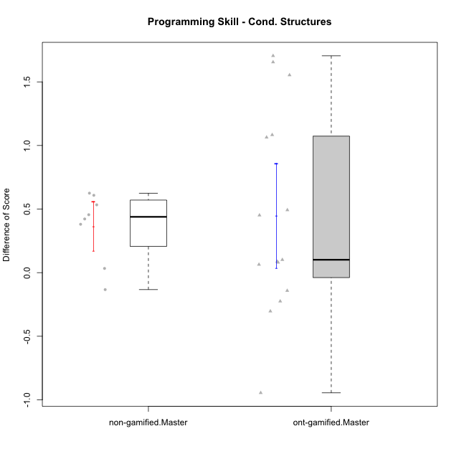

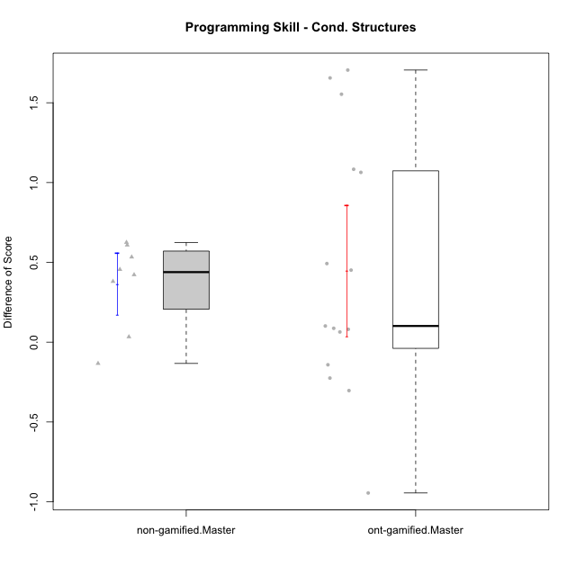

Student's t-Test data
UserID | NroUSP | Type | CLGroup | CLRole | PlayerRole | Re2 | Re1 | Un2 | Un1 | Ap2 | Ap3 | Ap1 | An3 | Ev2 | Ev1 | ReB | ReA | UnB | UnA | ApB | ApC | ApA | AnC | EvB | EvA | PreScore | PostScore | DiffScore
10169 | 10377538 | ont-gamified | Grupo Hefesto | Master | Yee Achiever | 1 | 1 | 0 | 0.94444444444 | 1 | 0.5 | 1 | 0.5 | 1 | 1 | 0.8 | 1 | 0.75 | 1 | 0.91666666667 | 0.375 | 1 | 0.5 | 0.66666666667 | 1 | 7.9444444444 | 8.0083333333 | 0.063888888889
10174 | 10276852 | ont-gamified | Grupo Urano | Master | Yee Achiever | 1 | 0.73333333333 | 0.5 | 0.94444444444 | 1 | 0.5 | 1 | 0.5 | 0.5 | 1 | 0.55 | 0.75 | 1 | 0.61111111111 | 0.91666666667 | 0.375 | 1 | 1 | 0.25 | 1 | 7.6777777778 | 7.4527777778 | -0.225
10175 | 10310700 | ont-gamified | Grupo Hélio | Master | Yee Socializer | 0.975 | 1 | 0.5 | 0.94444444444 | 1 | 1 | 1 | 1 | 1 | 1 | 1 | 1 | 1 | 1 | 1 | 0.5 | 1 | 1 | 1 | 1 | 9.4194444444 | 9.5 | 0.080555555556
10181 | 10276866 | non-gamified | Grupo Team 10 | Master |  | 1 | 1 | 0.5 | 0.94444444444 | 1 | 0.5 | 1 | 1 | 0.4 | 1 | 0.975 | 1 | 1 | 1 | 0.66666666667 | 0.5 | 1 | 1 | 0.58333333333 | 1 | 8.3444444444 | 8.725 | 0.38055555556
10184 | 10276675 | ont-gamified | Grupo Apolo | Master | Yee Socializer | 1 | 1 | 0.16666666667 | 0.94444444444 | 1 | 0.5 | 1 | 0.9375 | 1 | 1 | 1 | 1 | 0 | 1 | 1 | 1 | 1 | 1 | 1 | 1 | 8.5486111111 | 9 | 0.45138888889
10188 | 10276995 | non-gamified | Grupo Team 3 | Master |  | 0.8 | 1 | 1 | 0.66666666667 | 1 | 1 | 1 | 1 | 1 | 1 | 1 | 1 | 1 | 1 | 1 | 1 | 1 | 1 | 1 | 1 | 9.4666666667 | 10 | 0.53333333333
10189 | 9363926 | ont-gamified | Grupo Hades | Master | Yee Socializer | 0.775 | 0.9 | 0.5 | 0.94444444444 | 1 | 1 | 1 | 0.9375 | 1 | 1 | 1 | 0.93333333333 | 0 | 1 | 1 | 1 | 1 | 0.92857142857 | 0.25 | 1 | 9.0569444444 | 8.1119047619 | -0.94503968254
10191 | 10276981 | non-gamified | Grupo Team 6 | Master |  | 0.8 | 1 | 1 | 0.94444444444 | 1 | 0.5 | 1 | 1 | 1 | 1 | 1 | 1 | 1 | 0.66666666667 | 1 | 1 | 1 | 1 | 1 | 1 | 9.2444444444 | 9.6666666667 | 0.42222222222
10193 | 10276762 | ont-gamified | Grupo Afrodite | Master | Yee Achiever | 0.975 | 0.98333333333 | 1 | 0.94444444444 | 1 | 0.5 | 1 | 1 | 0 | 1 | 1 | 0.96666666667 | 0 | 1 | 1 | 1 | 1 | 0.92857142857 | 1 | 1 | 8.4027777778 | 8.8952380952 | 0.49246031746
10199 | 10276737 | ont-gamified | Grupo Gaia | Master | Yee Achiever | 0.975 | 1 | 0.5 | 0.66666666667 | 1 | 1 | 0.33333333333 | 1 | 0.5 | 1 | 1 | 0.8 | 1 | 0.66666666667 | 1 | 1 | 0.33333333333 | 0.92857142857 | 1 | 0.33333333333 | 7.975 | 8.0619047619 | 0.086904761905
10201 | 10276928 | ont-gamified | Grupo Caronte | Master | Yee Achiever | 1 | 1 | 0.5 | 0.66666666667 | 0 | 1 | 1 | 1 | 1 | 1 | 1 | 1 | 0.75 | 1 | 1 | 0.5 | 1 | 1 | 1 | 1 | 8.1666666667 | 9.25 | 1.0833333333
10204 | 10310471 | ont-gamified | Grupo Hermes | Master | Yee Achiever | 0.975 | 1 | 1 | 0.94444444444 | 1 | 1 | 1 | 0.8125 | 1 | 1 | 1 | 1 | 1 | 1 | 1 | 0.5 | 1 | 0.92857142857 | 1 | 1 | 9.7319444444 | 9.4285714286 | -0.30337301587
10206 | 10310721 | ont-gamified | Grupo Hera | Master | Yee Achiever | 1 | 1 | 0.5 | 0.66666666667 | 1 | 1 | 1 | 1 | 1 | 1 | 1 | 0.98333333333 | 1 | 1 | 0.66666666667 | 0.375 | 1 | 1 | 1 | 1 | 9.1666666667 | 9.025 | -0.14166666667
10212 | 9065750 | non-gamified | Grupo Team 4 | Master |  | 0.8 | 0.93333333333 | 0.5 | 1 | 1 | 1 | 1 | 1 | 1 | 1 | 0.6 | 1 | 1 | 1 | 1 | 0.5 | 1 | 1 | 1 | 1 | 9.2333333333 | 9.1 | -0.13333333333
10213 | 10277040 | ont-gamified | Grupo Morfeu | Master | Yee Socializer | 0.375 | 0.8 | 1 | 0.94444444444 | 1 | 1 | 1 | 1 | 0.4 | 1 | 1 | 1 | 1 | 1 | 1 | 1 | 1 | 1 | 0.58333333333 | 1 | 8.5194444444 | 9.5833333333 | 1.0638888889
10214 | 10277022 | non-gamified | Grupo Team 5 | Master |  | 1 | 0.8 | 0.5 | 0.66666666667 | 1 | 1 | 1 | 1 | 1 | 1 | 1 | 1 | 1 | 0.66666666667 | 0.66666666667 | 1 | 1 | 1 | 0.66666666667 | 1 | 8.9666666667 | 9 | 0.033333333333
10215 | 9285227 | ont-gamified | Grupo Zeus | Master | Yee Socializer | 0.975 | 1 | 0.5 | 0.66666666667 | 1 | 0.5 | 1 | 1 | 0.4 | 1 | 1 | 1 | 1 | 0.66666666667 | 1 | 1 | 1 | 0.92857142857 | 1 | 1 | 8.0416666667 | 9.5952380952 | 1.5535714286
10218 | 9842913 | ont-gamified | Grupo Ares | Master | Yee Achiever | 1 | 0.95 | 0 | 0.94444444444 | 1 | 0.5 | 1 | 1 | 0.5 | 1 | 0.8 | 1 | 1 | 1 | 0.75 | 1 | 1 | 1 | 1 | 1 | 7.8944444444 | 9.55 | 1.6555555556
10219 | 10276831 | non-gamified | Grupo Team 12 | Master |  | 1 | 1 | 0.5 | 0.33333333333 | 1 | 0.5 | 1 | 1 | 1 | 1 | 1 | 1 | 1 | 1 | 1 | 0.375 | 1 | 1 | 0.58333333333 | 1 | 8.3333333333 | 8.9583333333 | 0.625
10223 | 9795185 | ont-gamified | Grupo Cronus | Master | Yee Achiever | 0.975 | 0.8 | 1 | 0.94444444444 | 1 | 0.5 | 1 | 0.9375 | 0 | 1 | 1 | 0.93333333333 | 1 | 1 | 1 | 1 | 1 | 0.92857142857 | 1 | 1 | 8.1569444444 | 9.8619047619 | 1.7049603175
10226 | 10310342 | non-gamified | Grupo Team 8 | Master |  | 0.55 | 0.98333333333 | 0.83333333333 | 0.94444444444 | 1 | 1 | 1 | 1 | 0.5 | 1 | 1 | 0.93333333333 | 1 | 0.33333333333 | 1 | 1 | 1 | 1 | 1 | 1 | 8.8111111111 | 9.2666666667 | 0.45555555556
10230 | 10351992 | non-gamified | Grupo Team 14 | Master |  | 0.325 | 0.95 | 1 | 0.88888888889 | 0 | 1 | 1 | 1 | 1 | 0.66666666667 | 0.8 | 1 | 0.75 | 0.88888888889 | 0.91666666667 | 0.5 | 1 | 1 | 0.58333333333 | 1 | 7.8305555556 | 8.4388888889 | 0.60833333333
10232 | 10276974 | ont-gamified | Grupo Artemis | Master | Yee Achiever | 0.6 | 1 | 0.5 | 0.94444444444 | 1 | 1 | 1 | 0.4375 | 1 | 1 | 1 | 1 | 1 | 1 | 1 | 0 | 1 | 1 | 0.58333333333 | 1 | 8.4819444444 | 8.5833333333 | 0.10138888889

Type_CLRole_6
Student's t-Test for Programming Skill - Cond. Structures in Type:CLRole between ont-gamified.Apprentice:ont-gamified.Master

Student's t-Test results
Alternative hypothesis: less
Group | N | Mean | Mean.Difference | Std.deviation | Std.error | CI.lower | CI.upper | df | t.value | p.value | g | magnitude
ont-gamified.Apprentice | 13 | 1.931486569 | 1.4832987383 | 0.80705845492 | 0.22383774166 | 1.4838110857 | 2.3791620523 | 25.336843607 | 4.8794524524 | 0.999975375 | 1.7968645653 | large
ont-gamified.Master | 15 | 0.44818783069 | -1.4832987383 | 0.79661003315 | 0.20568382612 | 0.036820178446 | 0.85955548293 | 25.336843607 | 4.8794524524 | 0.999975375 | 1.7968645653 | large
Alternative hypothesis: greater
Group | N | Mean | Mean.Difference | Std.deviation | Std.error | CI.lower | CI.upper | df | t.value | p.value | g | magnitude
ont-gamified.Apprentice | 13 | 1.931486569 | 1.4832987383 | 0.80705845492 | 0.22383774166 | 1.4838110857 | 2.3791620523 | 25.336843607 | 4.8794524524 | 2.4625004273E-05 | 1.7968645653 | large
ont-gamified.Master | 15 | 0.44818783069 | -1.4832987383 | 0.79661003315 | 0.20568382612 | 0.036820178446 | 0.85955548293 | 25.336843607 | 4.8794524524 | 2.4625004273E-05 | 1.7968645653 | large
Alternative hypothesis: two.sided
Group | N | Mean | Mean.Difference | Std.deviation | Std.error | CI.lower | CI.upper | df | t.value | p.value | g | magnitude
ont-gamified.Apprentice | 13 | 1.931486569 | 1.4832987383 | 0.80705845492 | 0.22383774166 | 1.4838110857 | 2.3791620523 | 25.336843607 | 4.8794524524 | 4.9250008545E-05 | 1.7968645653 | large
ont-gamified.Master | 15 | 0.44818783069 | -1.4832987383 | 0.79661003315 | 0.20568382612 | 0.036820178446 | 0.85955548293 | 25.336843607 | 4.8794524524 | 4.9250008545E-05 | 1.7968645653 | large

Box plots for Student's t-Test
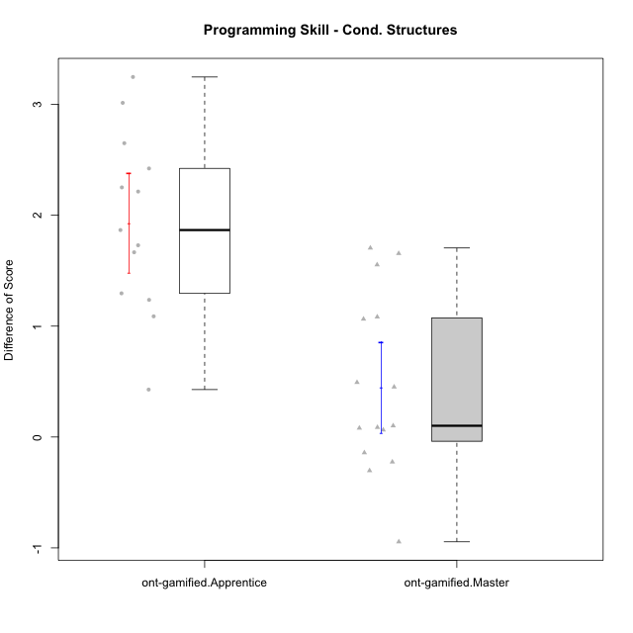

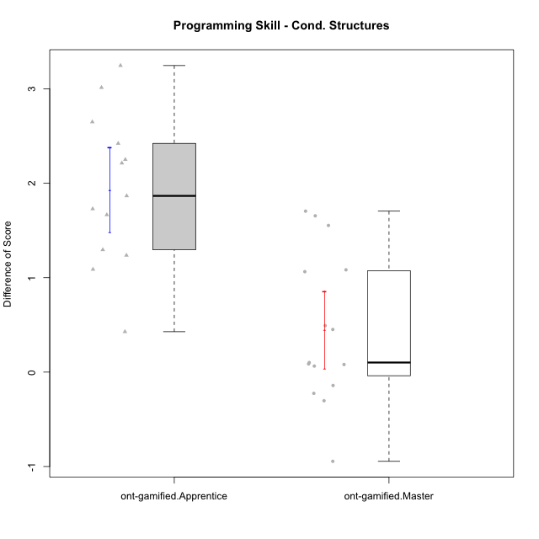

Student's t-Test data
UserID | NroUSP | Type | CLGroup | CLRole | PlayerRole | Re2 | Re1 | Un2 | Un1 | Ap2 | Ap3 | Ap1 | An3 | Ev2 | Ev1 | ReB | ReA | UnB | UnA | ApB | ApC | ApA | AnC | EvB | EvA | PreScore | PostScore | DiffScore
10169 | 10377538 | ont-gamified | Grupo Hefesto | Master | Yee Achiever | 1 | 1 | 0 | 0.94444444444 | 1 | 0.5 | 1 | 0.5 | 1 | 1 | 0.8 | 1 | 0.75 | 1 | 0.91666666667 | 0.375 | 1 | 0.5 | 0.66666666667 | 1 | 7.9444444444 | 8.0083333333 | 0.063888888889
10170 | 10260351 | ont-gamified | Grupo Afrodite | Apprentice | Yee Achiever | 0.975 | 1 | 0.5 | 0.94444444444 | 0 | 0 | 0.5 | 0.9375 | 1 | 0.66666666667 | 0.775 | 1 | 1 | 1 | 0.91666666667 | 0.5 | 1 | 1 | 0.58333333333 | 1 | 6.5236111111 | 8.775 | 2.2513888889
10174 | 10276852 | ont-gamified | Grupo Urano | Master | Yee Achiever | 1 | 0.73333333333 | 0.5 | 0.94444444444 | 1 | 0.5 | 1 | 0.5 | 0.5 | 1 | 0.55 | 0.75 | 1 | 0.61111111111 | 0.91666666667 | 0.375 | 1 | 1 | 0.25 | 1 | 7.6777777778 | 7.4527777778 | -0.225
10175 | 10310700 | ont-gamified | Grupo Hélio | Master | Yee Socializer | 0.975 | 1 | 0.5 | 0.94444444444 | 1 | 1 | 1 | 1 | 1 | 1 | 1 | 1 | 1 | 1 | 1 | 0.5 | 1 | 1 | 1 | 1 | 9.4194444444 | 9.5 | 0.080555555556
10176 | 10276949 | ont-gamified | Grupo Cronus | Apprentice | Yee Achiever | 1 | 1 | 0.5 | 0.66666666667 | 0 | 1 | 1 | 0.875 | 0.4 | 0.66666666667 | 1 | 1 | 1 | 1 | 1 | 0.5 | 1 | 0.92857142857 | 0.58333333333 | 0.33333333333 | 7.1083333333 | 8.3452380952 | 1.2369047619
10183 | 10352030 | ont-gamified | Grupo Hélio | Apprentice | Yee Socializer | 0.775 | 0.98333333333 | 0.5 | 1 | 1 | 0.375 | 0.33333333333 | 0.9375 | 0.4 | 0 | 1 | 1 | 0.75 | 1 | 0.75 | 0.375 | 1 | 0.92857142857 | 0.16666666667 | 1 | 6.3041666667 | 7.9702380952 | 1.6660714286
10184 | 10276675 | ont-gamified | Grupo Apolo | Master | Yee Socializer | 1 | 1 | 0.16666666667 | 0.94444444444 | 1 | 0.5 | 1 | 0.9375 | 1 | 1 | 1 | 1 | 0 | 1 | 1 | 1 | 1 | 1 | 1 | 1 | 8.5486111111 | 9 | 0.45138888889
10186 | 10310551 | ont-gamified | Grupo Ares | Apprentice | Yee Achiever | 1 | 0.96666666667 | 0.33333333333 | 0.94444444444 | 0 | 1 | 1 | 1 | 0 | 1 | 1 | 1 | 1 | 1 | 1 | 1 | 1 | 1 | 0.66666666667 | 1 | 7.2444444444 | 9.6666666667 | 2.4222222222
10189 | 9363926 | ont-gamified | Grupo Hades | Master | Yee Socializer | 0.775 | 0.9 | 0.5 | 0.94444444444 | 1 | 1 | 1 | 0.9375 | 1 | 1 | 1 | 0.93333333333 | 0 | 1 | 1 | 1 | 1 | 0.92857142857 | 0.25 | 1 | 9.0569444444 | 8.1119047619 | -0.94503968254
10190 | 10276907 | ont-gamified | Grupo Zeus | Apprentice | Yee Socializer | 0.725 | 0.9 | 0.5 | 0.66666666667 | 1 | 1 | 1 | 0.3125 | 0.5 | 0 | 1 | 0.9 | 0 | 1 | 1 | 1 | 1 | 1 | 0 | 1 | 6.6041666667 | 7.9 | 1.2958333333
10193 | 10276762 | ont-gamified | Grupo Afrodite | Master | Yee Achiever | 0.975 | 0.98333333333 | 1 | 0.94444444444 | 1 | 0.5 | 1 | 1 | 0 | 1 | 1 | 0.96666666667 | 0 | 1 | 1 | 1 | 1 | 0.92857142857 | 1 | 1 | 8.4027777778 | 8.8952380952 | 0.49246031746
10195 | 10351971 | ont-gamified | Grupo Urano | Apprentice | Yee Achiever | 0.975 | 1 | 0.5 | 0.94444444444 | 1 | 0.5 | 1 | 0.4375 | 0.4 | 1 | 1 | 1 | 1 | 1 | 0.91666666667 | 0.5 | 1 | 0.42857142857 | 1 | 1 | 7.7569444444 | 8.8452380952 | 1.0882936508
10196 | 10310655 | ont-gamified | Grupo Hefesto | Apprentice | Yee Achiever | 0.775 | 0.78333333333 | 0.5 | 0.61111111111 | 0 | 0.5 | 1 | 1 | 0.5 | 0.66666666667 | 1 | 1 | 1 | 1 | 1 | 1 | 1 | 1 | 0.58333333333 | 1 | 6.3361111111 | 9.5833333333 | 3.2472222222
10197 | 10276661 | ont-gamified | Grupo Gaia | Apprentice | Yee Achiever | 0.525 | 0.98333333333 | 0 | 0.94444444444 | 0 | 1 | 1 | 1 | 0.5 | 1 | 1 | 1 | 1 | 1 | 1 | 0.5 | 1 | 1 | 0.66666666667 | 1 | 6.9527777778 | 9.1666666667 | 2.2138888889
10198 | 10310888 | ont-gamified | Grupo Apolo | Apprentice | Yee Socializer | 0.525 | 0.93333333333 | 0.5 | 0.61111111111 | 0 | 0.375 | 1 | 0.375 | 0.5 | 0.66666666667 | 1 | 1 | 0.75 | 0.66666666667 | 1 | 0.5 | 1 | 1 | 0.58333333333 | 1 | 5.4861111111 | 8.5 | 3.0138888889
10199 | 10276737 | ont-gamified | Grupo Gaia | Master | Yee Achiever | 0.975 | 1 | 0.5 | 0.66666666667 | 1 | 1 | 0.33333333333 | 1 | 0.5 | 1 | 1 | 0.8 | 1 | 0.66666666667 | 1 | 1 | 0.33333333333 | 0.92857142857 | 1 | 0.33333333333 | 7.975 | 8.0619047619 | 0.086904761905
10200 | 9795272 | ont-gamified | Grupo Hades | Apprentice | Yee Socializer | 0.8 | 0.58333333333 | 0.5 | 1 | 0 | 0.5 | 1 | 0.9375 | 1 | 1 | 0.8 | 1 | 1 | 1 | 1 | 1 | 1 | 1 | 0.25 | 1 | 7.3208333333 | 9.05 | 1.7291666667
10201 | 10276928 | ont-gamified | Grupo Caronte | Master | Yee Achiever | 1 | 1 | 0.5 | 0.66666666667 | 0 | 1 | 1 | 1 | 1 | 1 | 1 | 1 | 0.75 | 1 | 1 | 0.5 | 1 | 1 | 1 | 1 | 8.1666666667 | 9.25 | 1.0833333333
10204 | 10310471 | ont-gamified | Grupo Hermes | Master | Yee Achiever | 0.975 | 1 | 1 | 0.94444444444 | 1 | 1 | 1 | 0.8125 | 1 | 1 | 1 | 1 | 1 | 1 | 1 | 0.5 | 1 | 0.92857142857 | 1 | 1 | 9.7319444444 | 9.4285714286 | -0.30337301587
10206 | 10310721 | ont-gamified | Grupo Hera | Master | Yee Achiever | 1 | 1 | 0.5 | 0.66666666667 | 1 | 1 | 1 | 1 | 1 | 1 | 1 | 0.98333333333 | 1 | 1 | 0.66666666667 | 0.375 | 1 | 1 | 1 | 1 | 9.1666666667 | 9.025 | -0.14166666667
10209 | 10262669 | ont-gamified | Grupo Artemis | Apprentice | Yee Achiever | 1 | 1 | 0.5 | 1 | 0 | 0.5 | 1 | 1 | 0 | 1 | 1 | 0.98333333333 | 1 | 0.66666666667 | 1 | 1 | 1 | 1 | 1 | 1 | 7 | 9.65 | 2.65
10213 | 10277040 | ont-gamified | Grupo Morfeu | Master | Yee Socializer | 0.375 | 0.8 | 1 | 0.94444444444 | 1 | 1 | 1 | 1 | 0.4 | 1 | 1 | 1 | 1 | 1 | 1 | 1 | 1 | 1 | 0.58333333333 | 1 | 8.5194444444 | 9.5833333333 | 1.0638888889
10215 | 9285227 | ont-gamified | Grupo Zeus | Master | Yee Socializer | 0.975 | 1 | 0.5 | 0.66666666667 | 1 | 0.5 | 1 | 1 | 0.4 | 1 | 1 | 1 | 1 | 0.66666666667 | 1 | 1 | 1 | 0.92857142857 | 1 | 1 | 8.0416666667 | 9.5952380952 | 1.5535714286
10218 | 9842913 | ont-gamified | Grupo Ares | Master | Yee Achiever | 1 | 0.95 | 0 | 0.94444444444 | 1 | 0.5 | 1 | 1 | 0.5 | 1 | 0.8 | 1 | 1 | 1 | 0.75 | 1 | 1 | 1 | 1 | 1 | 7.8944444444 | 9.55 | 1.6555555556
10221 | 9082496 | ont-gamified | Grupo Hermes | Apprentice | Yee Achiever | 0.975 | 0.9 | 0.33333333333 | 0.66666666667 | 0 | 0.375 | 0.33333333333 | 0.875 | 1 | 0.66666666667 | 0.8 | 0.93333333333 | 0 | 0.27777777778 | 0.58333333333 | 0.375 | 1 | 1 | 0.58333333333 | 1 | 6.125 | 6.5527777778 | 0.42777777778
10223 | 9795185 | ont-gamified | Grupo Cronus | Master | Yee Achiever | 0.975 | 0.8 | 1 | 0.94444444444 | 1 | 0.5 | 1 | 0.9375 | 0 | 1 | 1 | 0.93333333333 | 1 | 1 | 1 | 1 | 1 | 0.92857142857 | 1 | 1 | 8.1569444444 | 9.8619047619 | 1.7049603175
10231 | 10276911 | ont-gamified | Grupo Caronte | Apprentice | Yee Achiever | 1 | 0.96666666667 | 1 | 0.66666666667 | 1 | 0 | 1 | 1 | 0 | 1 | 1 | 1 | 1 | 1 | 1 | 0.5 | 1 | 1 | 1 | 1 | 7.6333333333 | 9.5 | 1.8666666667
10232 | 10276974 | ont-gamified | Grupo Artemis | Master | Yee Achiever | 0.6 | 1 | 0.5 | 0.94444444444 | 1 | 1 | 1 | 0.4375 | 1 | 1 | 1 | 1 | 1 | 1 | 1 | 0 | 1 | 1 | 0.58333333333 | 1 | 8.4819444444 | 8.5833333333 | 0.10138888889

