Type_1
Wilcoxon Analysis for Difference of Programming Skill - Loops in Type between non-gamified:ont-gamified

Wilcoxon test results
Alternative hypothesis: less
Group | N | Median | Mean.Ranks | Sum.Ranks | U | Z | p.value | r | magnitude
non-gamified | 27 | -0.042518479193 | 28.5 | 769.5 | 391.5 | -0.21576897508 | 0.41679328934 | 0.028579298915 | none
ont-gamified | 30 | -0.011796912828 | 29.45 | 883.5 | 391.5 | -0.21576897508 | 0.41679328934 | 0.028579298915 | none
Alternative hypothesis: greater
Group | N | Median | Mean.Ranks | Sum.Ranks | U | Z | p.value | r | magnitude
non-gamified | 27 | -0.042518479193 | 28.5 | 769.5 | 391.5 | -0.21576897508 | 0.58629915627 | 0.028579298915 | none
ont-gamified | 30 | -0.011796912828 | 29.45 | 883.5 | 391.5 | -0.21576897508 | 0.58629915627 | 0.028579298915 | none
Alternative hypothesis: two.sided
Group | N | Median | Mean.Ranks | Sum.Ranks | U | Z | p.value | r | magnitude
non-gamified | 27 | -0.042518479193 | 28.5 | 769.5 | 391.5 | -0.21576897508 | 0.83358707496 | 0.028579298915 | none
ont-gamified | 30 | -0.011796912828 | 29.45 | 883.5 | 391.5 | -0.21576897508 | 0.83358707496 | 0.028579298915 | none

Box plots for wilcoxon tests
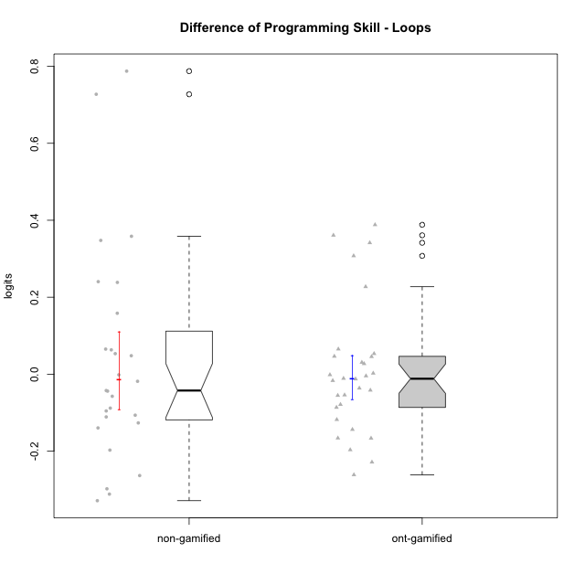

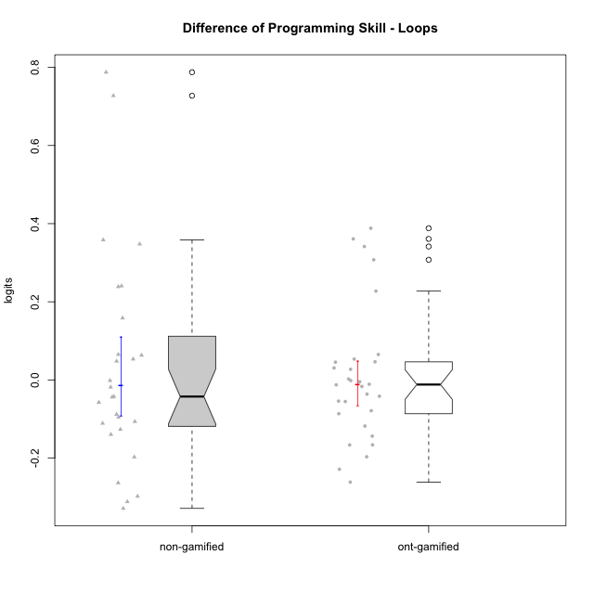

Wilcoxon data
UserID | NroUSP | Type | CLGroup | CLRole | PlayerRole | PreTheta | PostTheta | DiffTheta
10169 | 10377538 | ont-gamified | Grupo Hefesto | Master | Yee Achiever | -0.032480194741 | -0.15050317 | -0.11802297526
10170 | 10260351 | ont-gamified | Grupo Afrodite | Apprentice | Yee Achiever | -0.036035107244 | -0.091328484977 | -0.055293377733
10171 | 698531 | non-gamified | Grupo Team 6 | Apprentice |  | -0.44714098689 | 0.34031510244 | 0.78745608933
10174 | 10276852 | ont-gamified | Grupo Urano | Master | Yee Achiever | -0.047926858141 | -0.21401218001 | -0.16608532187
10175 | 10310700 | ont-gamified | Grupo Hélio | Master | Yee Socializer | 0.18198609406 | 0.038228297756 | -0.14375779631
10176 | 10276949 | ont-gamified | Grupo Cronus | Apprentice | Yee Achiever | -0.026931876924 | -0.043644153268 | -0.016712276344
10178 | 8656201 | ont-gamified | Grupo Morfeu | Apprentice | Yee Socializer | -0.086719058651 | -0.091328484977 | -0.0046094263257
10179 | 10310759 | non-gamified | Grupo Team 9 | Master |  | 0.18198609406 | 0.34031510244 | 0.15832900838
10181 | 10276866 | non-gamified | Grupo Team 10 | Master |  | -0.0011256740753 | -0.043644153268 | -0.042518479193
10183 | 10352030 | ont-gamified | Grupo Hélio | Apprentice | Yee Socializer | -0.041984987869 | -0.054555662071 | -0.012570674203
10184 | 10276675 | ont-gamified | Grupo Apolo | Master | Yee Socializer | -0.015127497158 | 0.038228297756 | 0.053355794914
10185 | 10276960 | non-gamified | Grupo Team 12 | Apprentice |  | -0.047172312495 | 0.19328931348 | 0.24046162597
10186 | 10310551 | ont-gamified | Grupo Ares | Apprentice | Yee Achiever | -0.0011256740753 | 0.34031510244 | 0.34144077652
10187 | 9790781 | non-gamified | Grupo Team 15 | Apprentice |  | 0.015234590786 | -0.091328484977 | -0.10656307576
10188 | 10276995 | non-gamified | Grupo Team 3 | Master |  | 0.10183959472 | 0.34031510244 | 0.23847550772
10189 | 9363926 | ont-gamified | Grupo Hades | Master | Yee Socializer | -0.015127497158 | 0.015512707434 | 0.030640204592
10190 | 10276907 | ont-gamified | Grupo Zeus | Apprentice | Yee Socializer | -0.0081582985864 | 0.038228297756 | 0.046386596342
10191 | 10276981 | non-gamified | Grupo Team 6 | Master |  | 0.13689830817 | -0.0027748587668 | -0.13967316693
10192 | 10276682 | non-gamified | Grupo Team 5 | Apprentice |  | -0.025005344556 | 0.038228297756 | 0.063233642312
10193 | 10276762 | ont-gamified | Grupo Afrodite | Master | Yee Achiever | 0.10183959472 | 0.015512707434 | -0.086326887283
10195 | 10351971 | ont-gamified | Grupo Urano | Apprentice | Yee Achiever | -0.028730019215 | -0.082892906508 | -0.054162887292
10196 | 10310655 | ont-gamified | Grupo Hefesto | Apprentice | Yee Achiever | -0.047926858141 | 0.34031510244 | 0.38824196058
10197 | 10276661 | ont-gamified | Grupo Gaia | Apprentice | Yee Achiever | -0.0073006767313 | 0.038228297756 | 0.045528974487
10198 | 10310888 | ont-gamified | Grupo Apolo | Apprentice | Yee Socializer | 0.19689971073 | -0.064618182401 | -0.26151789313
10199 | 10276737 | ont-gamified | Grupo Gaia | Master | Yee Achiever | -0.02062078496 | -0.099412649919 | -0.078791864959
10200 | 9795272 | ont-gamified | Grupo Hades | Apprentice | Yee Socializer | 0.19689971073 | -0.031643936414 | -0.22854364715
10201 | 10276928 | ont-gamified | Grupo Caronte | Master | Yee Achiever | -0.011657680283 | 0.015512707434 | 0.027170387717
10202 | 10277036 | non-gamified | Grupo Team 11 | Apprentice |  | -0.041984987869 | -0.099412649919 | -0.05742766205
10203 | 9921470 | non-gamified | Grupo Team 3 | Apprentice |  | -0.058799424013 | -0.35667000203 | -0.29787057802
10204 | 10310471 | ont-gamified | Grupo Hermes | Master | Yee Achiever | 0.18198609406 | 0.015512707434 | -0.16647338663
10206 | 10310721 | ont-gamified | Grupo Hera | Master | Yee Achiever | -0.0073006767313 | -0.043644153268 | -0.036343476537
10208 | 10276932 | non-gamified | Grupo Team 7 | Apprentice |  | -0.026931876924 | 0.038228297756 | 0.06516017468
10209 | 10262669 | ont-gamified | Grupo Artemis | Apprentice | Yee Achiever | -0.0011256740753 | -0.0027748587668 | -0.0016491846915
10210 | 10277015 | non-gamified | Grupo Team 9 | Apprentice |  | 0.19689971073 | -0.11477610381 | -0.31167581454
10212 | 9065750 | non-gamified | Grupo Team 4 | Master |  | 0.060813732068 | -0.1365002933 | -0.19731402537
10213 | 10277040 | ont-gamified | Grupo Morfeu | Master | Yee Socializer | -0.02062078496 | 0.34031510244 | 0.3609358874
10214 | 10277022 | non-gamified | Grupo Team 5 | Master |  | -0.036035107244 | -0.054555662071 | -0.018520554827
10215 | 9285227 | ont-gamified | Grupo Zeus | Master | Yee Socializer | -0.02062078496 | -0.018200698968 | 0.0024200859914
10216 | 10276720 | non-gamified | Grupo Team 15 | Master |  | -0.018057795692 | 0.34031510244 | 0.35837289813
10217 | 9805341 | non-gamified | Grupo Team 13 | Master |  | -0.0073006767313 | 0.34031510244 | 0.34761577917
10218 | 9842913 | ont-gamified | Grupo Ares | Master | Yee Achiever | -0.022915570247 | -0.064618182401 | -0.041702612154
10219 | 10276831 | non-gamified | Grupo Team 12 | Master |  | -0.032480194741 | 0.015512707434 | 0.047992902175
10220 | 9760151 | non-gamified | Grupo Team 2 | Apprentice |  | -0.015127497158 | 0.038228297756 | 0.053355794914
10221 | 9082496 | ont-gamified | Grupo Hermes | Apprentice | Yee Achiever | -0.047926858141 | -0.24454511364 | -0.1966182555
10222 | 9436110 | non-gamified | Grupo Team 16 | Master |  | -0.032480194741 | -0.14353089466 | -0.11105069992
10223 | 9795185 | ont-gamified | Grupo Cronus | Master | Yee Achiever | -0.033950159683 | 0.19328931348 | 0.22723947316
10224 | 9368772 | non-gamified | Grupo Team 10 | Apprentice |  | -0.85679535514 | -0.12938479264 | 0.7274105625
10226 | 10310342 | non-gamified | Grupo Team 8 | Master |  | 0.25472950571 | -0.074025305707 | -0.32875481142
10227 | 9274382 | non-gamified | Grupo Team 4 | Apprentice |  | -0.092434777871 | -0.1365002933 | -0.044065515426
10230 | 10351992 | non-gamified | Grupo Team 14 | Master |  | -0.011657680283 | -0.10721060596 | -0.095552925681
10231 | 10276911 | ont-gamified | Grupo Caronte | Apprentice | Yee Achiever | -0.026931876924 | 0.038228297756 | 0.06516017468
10232 | 10276974 | ont-gamified | Grupo Artemis | Master | Yee Achiever | -0.02062078496 | -0.031643936414 | -0.011023151454
10233 | 9805320 | non-gamified | Grupo Team 16 | Apprentice |  | -0.033950159683 | -0.12215429965 | -0.088204139964
10234 | 10310676 | non-gamified | Grupo Team 7 | Master |  | -0.0098751669531 | -0.1365002933 | -0.12662512634
10237 | 10377688 | non-gamified | Grupo Team 11 | Master |  | 0.21981484416 | -0.043644153268 | -0.26345899743
10238 | 10276953 | non-gamified | Grupo Team 13 | Apprentice |  | -0.0011256740753 | -0.0027748587668 | -0.0016491846915
10240 | 10276654 | ont-gamified | Grupo Hera | Apprentice | Yee Achiever | -0.29195396235 | 0.015512707434 | 0.30746666978

Type_CLRole_1
Wilcoxon Analysis for Difference of Programming Skill - Loops in Type:CLRole between non-gamified.Apprentice:non-gamified.Master

Wilcoxon test results
Alternative hypothesis: less
Group | N | Median | Mean.Ranks | Sum.Ranks | U | Z | p.value | r | magnitude
non-gamified.Apprentice | 13 | -0.0016491846915 | 15.307692308 | 199 | 108 | 0.82494469631 | 0.79901920901 | 0.15876068083 | small
non-gamified.Master | 14 | -0.069035702437 | 12.785714286 | 179 | 108 | 0.82494469631 | 0.79901920901 | 0.15876068083 | small
Alternative hypothesis: greater
Group | N | Median | Mean.Ranks | Sum.Ranks | U | Z | p.value | r | magnitude
non-gamified.Apprentice | 13 | -0.0016491846915 | 15.307692308 | 199 | 108 | 0.82494469631 | 0.2147997587 | 0.15876068083 | small
non-gamified.Master | 14 | -0.069035702437 | 12.785714286 | 179 | 108 | 0.82494469631 | 0.2147997587 | 0.15876068083 | small
Alternative hypothesis: two.sided
Group | N | Median | Mean.Ranks | Sum.Ranks | U | Z | p.value | r | magnitude
non-gamified.Apprentice | 13 | -0.0016491846915 | 15.307692308 | 199 | 108 | 0.82494469631 | 0.42959951741 | 0.15876068083 | small
non-gamified.Master | 14 | -0.069035702437 | 12.785714286 | 179 | 108 | 0.82494469631 | 0.42959951741 | 0.15876068083 | small

Box plots for wilcoxon tests
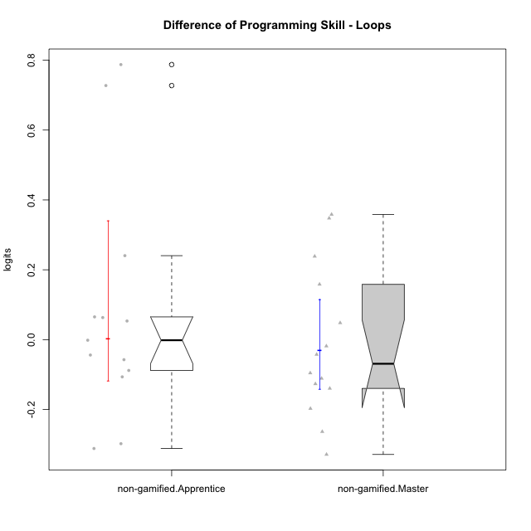

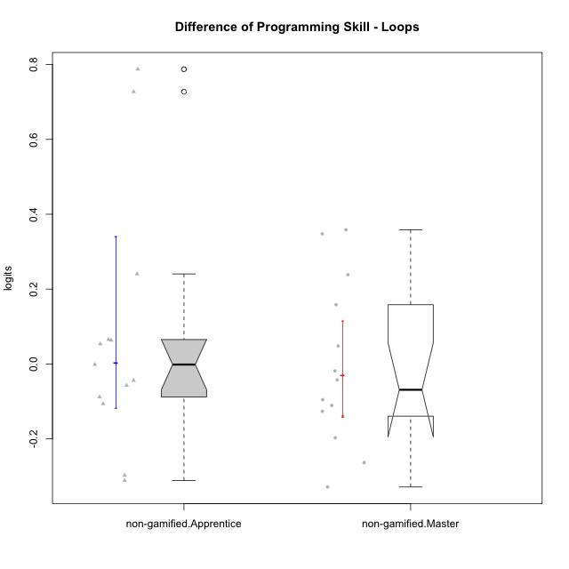

Wilcoxon data
UserID | NroUSP | Type | CLGroup | CLRole | PlayerRole | PreTheta | PostTheta | DiffTheta
10171 | 698531 | non-gamified | Grupo Team 6 | Apprentice |  | -0.44714098689 | 0.34031510244 | 0.78745608933
10179 | 10310759 | non-gamified | Grupo Team 9 | Master |  | 0.18198609406 | 0.34031510244 | 0.15832900838
10181 | 10276866 | non-gamified | Grupo Team 10 | Master |  | -0.0011256740753 | -0.043644153268 | -0.042518479193
10185 | 10276960 | non-gamified | Grupo Team 12 | Apprentice |  | -0.047172312495 | 0.19328931348 | 0.24046162597
10187 | 9790781 | non-gamified | Grupo Team 15 | Apprentice |  | 0.015234590786 | -0.091328484977 | -0.10656307576
10188 | 10276995 | non-gamified | Grupo Team 3 | Master |  | 0.10183959472 | 0.34031510244 | 0.23847550772
10191 | 10276981 | non-gamified | Grupo Team 6 | Master |  | 0.13689830817 | -0.0027748587668 | -0.13967316693
10192 | 10276682 | non-gamified | Grupo Team 5 | Apprentice |  | -0.025005344556 | 0.038228297756 | 0.063233642312
10202 | 10277036 | non-gamified | Grupo Team 11 | Apprentice |  | -0.041984987869 | -0.099412649919 | -0.05742766205
10203 | 9921470 | non-gamified | Grupo Team 3 | Apprentice |  | -0.058799424013 | -0.35667000203 | -0.29787057802
10208 | 10276932 | non-gamified | Grupo Team 7 | Apprentice |  | -0.026931876924 | 0.038228297756 | 0.06516017468
10210 | 10277015 | non-gamified | Grupo Team 9 | Apprentice |  | 0.19689971073 | -0.11477610381 | -0.31167581454
10212 | 9065750 | non-gamified | Grupo Team 4 | Master |  | 0.060813732068 | -0.1365002933 | -0.19731402537
10214 | 10277022 | non-gamified | Grupo Team 5 | Master |  | -0.036035107244 | -0.054555662071 | -0.018520554827
10216 | 10276720 | non-gamified | Grupo Team 15 | Master |  | -0.018057795692 | 0.34031510244 | 0.35837289813
10217 | 9805341 | non-gamified | Grupo Team 13 | Master |  | -0.0073006767313 | 0.34031510244 | 0.34761577917
10219 | 10276831 | non-gamified | Grupo Team 12 | Master |  | -0.032480194741 | 0.015512707434 | 0.047992902175
10220 | 9760151 | non-gamified | Grupo Team 2 | Apprentice |  | -0.015127497158 | 0.038228297756 | 0.053355794914
10222 | 9436110 | non-gamified | Grupo Team 16 | Master |  | -0.032480194741 | -0.14353089466 | -0.11105069992
10224 | 9368772 | non-gamified | Grupo Team 10 | Apprentice |  | -0.85679535514 | -0.12938479264 | 0.7274105625
10226 | 10310342 | non-gamified | Grupo Team 8 | Master |  | 0.25472950571 | -0.074025305707 | -0.32875481142
10227 | 9274382 | non-gamified | Grupo Team 4 | Apprentice |  | -0.092434777871 | -0.1365002933 | -0.044065515426
10230 | 10351992 | non-gamified | Grupo Team 14 | Master |  | -0.011657680283 | -0.10721060596 | -0.095552925681
10233 | 9805320 | non-gamified | Grupo Team 16 | Apprentice |  | -0.033950159683 | -0.12215429965 | -0.088204139964
10234 | 10310676 | non-gamified | Grupo Team 7 | Master |  | -0.0098751669531 | -0.1365002933 | -0.12662512634
10237 | 10377688 | non-gamified | Grupo Team 11 | Master |  | 0.21981484416 | -0.043644153268 | -0.26345899743
10238 | 10276953 | non-gamified | Grupo Team 13 | Apprentice |  | -0.0011256740753 | -0.0027748587668 | -0.0016491846915

Type_CLRole_2
Wilcoxon Analysis for Difference of Programming Skill - Loops in Type:CLRole between non-gamified.Apprentice:ont-gamified.Apprentice

Wilcoxon test results
Alternative hypothesis: less
Group | N | Median | Mean.Ranks | Sum.Ranks | U | Z | p.value | r | magnitude
non-gamified.Apprentice | 13 | -0.0016491846915 | 14.538461538 | 189 | 98 | 0.023038977987 | 0.51357539202 | 0.0043539575868 | none
ont-gamified.Apprentice | 15 | -0.0046094263257 | 14.466666667 | 217 | 98 | 0.023038977987 | 0.51357539202 | 0.0043539575868 | none
Alternative hypothesis: greater
Group | N | Median | Mean.Ranks | Sum.Ranks | U | Z | p.value | r | magnitude
non-gamified.Apprentice | 13 | -0.0016491846915 | 14.538461538 | 189 | 98 | 0.023038977987 | 0.49550351796 | 0.0043539575868 | none
ont-gamified.Apprentice | 15 | -0.0046094263257 | 14.466666667 | 217 | 98 | 0.023038977987 | 0.49550351796 | 0.0043539575868 | none
Alternative hypothesis: two.sided
Group | N | Median | Mean.Ranks | Sum.Ranks | U | Z | p.value | r | magnitude
non-gamified.Apprentice | 13 | -0.0016491846915 | 14.538461538 | 189 | 98 | 0.023038977987 | 0.99100399122 | 0.0043539575868 | none
ont-gamified.Apprentice | 15 | -0.0046094263257 | 14.466666667 | 217 | 98 | 0.023038977987 | 0.99100399122 | 0.0043539575868 | none

Box plots for wilcoxon tests
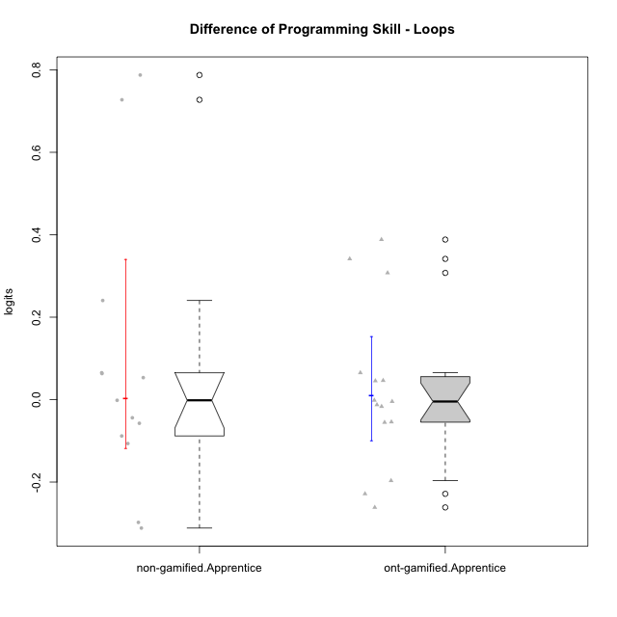

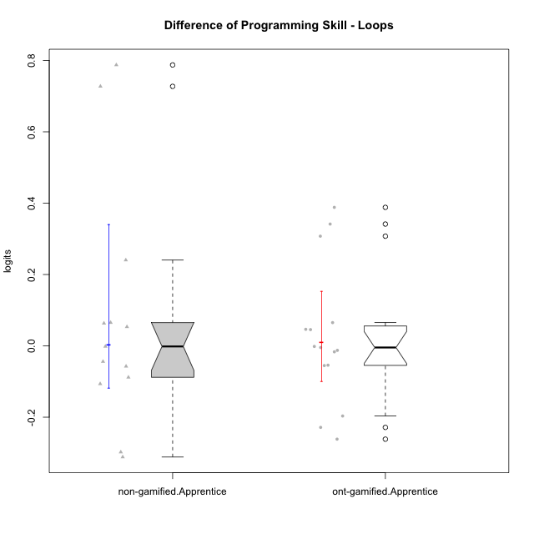

Wilcoxon data
UserID | NroUSP | Type | CLGroup | CLRole | PlayerRole | PreTheta | PostTheta | DiffTheta
10170 | 10260351 | ont-gamified | Grupo Afrodite | Apprentice | Yee Achiever | -0.036035107244 | -0.091328484977 | -0.055293377733
10171 | 698531 | non-gamified | Grupo Team 6 | Apprentice |  | -0.44714098689 | 0.34031510244 | 0.78745608933
10176 | 10276949 | ont-gamified | Grupo Cronus | Apprentice | Yee Achiever | -0.026931876924 | -0.043644153268 | -0.016712276344
10178 | 8656201 | ont-gamified | Grupo Morfeu | Apprentice | Yee Socializer | -0.086719058651 | -0.091328484977 | -0.0046094263257
10183 | 10352030 | ont-gamified | Grupo Hélio | Apprentice | Yee Socializer | -0.041984987869 | -0.054555662071 | -0.012570674203
10185 | 10276960 | non-gamified | Grupo Team 12 | Apprentice |  | -0.047172312495 | 0.19328931348 | 0.24046162597
10186 | 10310551 | ont-gamified | Grupo Ares | Apprentice | Yee Achiever | -0.0011256740753 | 0.34031510244 | 0.34144077652
10187 | 9790781 | non-gamified | Grupo Team 15 | Apprentice |  | 0.015234590786 | -0.091328484977 | -0.10656307576
10190 | 10276907 | ont-gamified | Grupo Zeus | Apprentice | Yee Socializer | -0.0081582985864 | 0.038228297756 | 0.046386596342
10192 | 10276682 | non-gamified | Grupo Team 5 | Apprentice |  | -0.025005344556 | 0.038228297756 | 0.063233642312
10195 | 10351971 | ont-gamified | Grupo Urano | Apprentice | Yee Achiever | -0.028730019215 | -0.082892906508 | -0.054162887292
10196 | 10310655 | ont-gamified | Grupo Hefesto | Apprentice | Yee Achiever | -0.047926858141 | 0.34031510244 | 0.38824196058
10197 | 10276661 | ont-gamified | Grupo Gaia | Apprentice | Yee Achiever | -0.0073006767313 | 0.038228297756 | 0.045528974487
10198 | 10310888 | ont-gamified | Grupo Apolo | Apprentice | Yee Socializer | 0.19689971073 | -0.064618182401 | -0.26151789313
10200 | 9795272 | ont-gamified | Grupo Hades | Apprentice | Yee Socializer | 0.19689971073 | -0.031643936414 | -0.22854364715
10202 | 10277036 | non-gamified | Grupo Team 11 | Apprentice |  | -0.041984987869 | -0.099412649919 | -0.05742766205
10203 | 9921470 | non-gamified | Grupo Team 3 | Apprentice |  | -0.058799424013 | -0.35667000203 | -0.29787057802
10208 | 10276932 | non-gamified | Grupo Team 7 | Apprentice |  | -0.026931876924 | 0.038228297756 | 0.06516017468
10209 | 10262669 | ont-gamified | Grupo Artemis | Apprentice | Yee Achiever | -0.0011256740753 | -0.0027748587668 | -0.0016491846915
10210 | 10277015 | non-gamified | Grupo Team 9 | Apprentice |  | 0.19689971073 | -0.11477610381 | -0.31167581454
10220 | 9760151 | non-gamified | Grupo Team 2 | Apprentice |  | -0.015127497158 | 0.038228297756 | 0.053355794914
10221 | 9082496 | ont-gamified | Grupo Hermes | Apprentice | Yee Achiever | -0.047926858141 | -0.24454511364 | -0.1966182555
10224 | 9368772 | non-gamified | Grupo Team 10 | Apprentice |  | -0.85679535514 | -0.12938479264 | 0.7274105625
10227 | 9274382 | non-gamified | Grupo Team 4 | Apprentice |  | -0.092434777871 | -0.1365002933 | -0.044065515426
10231 | 10276911 | ont-gamified | Grupo Caronte | Apprentice | Yee Achiever | -0.026931876924 | 0.038228297756 | 0.06516017468
10233 | 9805320 | non-gamified | Grupo Team 16 | Apprentice |  | -0.033950159683 | -0.12215429965 | -0.088204139964
10238 | 10276953 | non-gamified | Grupo Team 13 | Apprentice |  | -0.0011256740753 | -0.0027748587668 | -0.0016491846915
10240 | 10276654 | ont-gamified | Grupo Hera | Apprentice | Yee Achiever | -0.29195396235 | 0.015512707434 | 0.30746666978

Type_CLRole_3
Wilcoxon Analysis for Difference of Programming Skill - Loops in Type:CLRole between non-gamified.Apprentice:ont-gamified.Master

Wilcoxon test results
Alternative hypothesis: less
Group | N | Median | Mean.Ranks | Sum.Ranks | U | Z | p.value | r | magnitude
non-gamified.Apprentice | 13 | -0.0016491846915 | 15.576923077 | 202.5 | 111.5 | 0.64500308149 | 0.74145078703 | 0.12189412489 | small
ont-gamified.Master | 15 | -0.036343476537 | 13.566666667 | 203.5 | 111.5 | 0.64500308149 | 0.74145078703 | 0.12189412489 | small
Alternative hypothesis: greater
Group | N | Median | Mean.Ranks | Sum.Ranks | U | Z | p.value | r | magnitude
non-gamified.Apprentice | 13 | -0.0016491846915 | 15.576923077 | 202.5 | 111.5 | 0.64500308149 | 0.26640682589 | 0.12189412489 | small
ont-gamified.Master | 15 | -0.036343476537 | 13.566666667 | 203.5 | 111.5 | 0.64500308149 | 0.26640682589 | 0.12189412489 | small
Alternative hypothesis: two.sided
Group | N | Median | Mean.Ranks | Sum.Ranks | U | Z | p.value | r | magnitude
non-gamified.Apprentice | 13 | -0.0016491846915 | 15.576923077 | 202.5 | 111.5 | 0.64500308149 | 0.53271833142 | 0.12189412489 | small
ont-gamified.Master | 15 | -0.036343476537 | 13.566666667 | 203.5 | 111.5 | 0.64500308149 | 0.53271833142 | 0.12189412489 | small

Box plots for wilcoxon tests
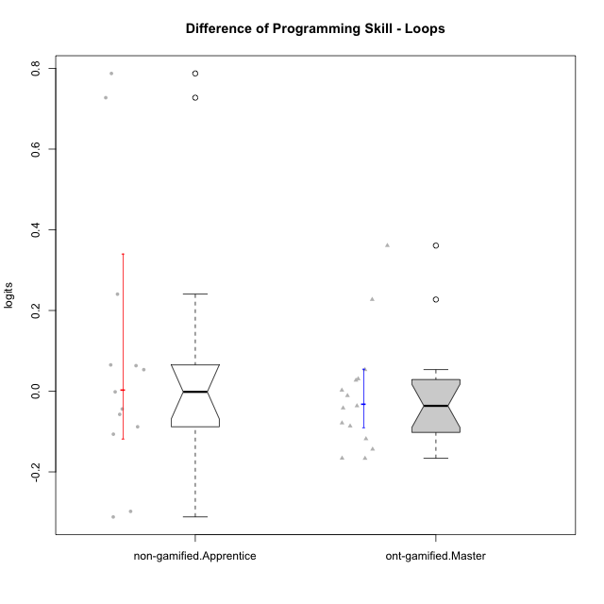

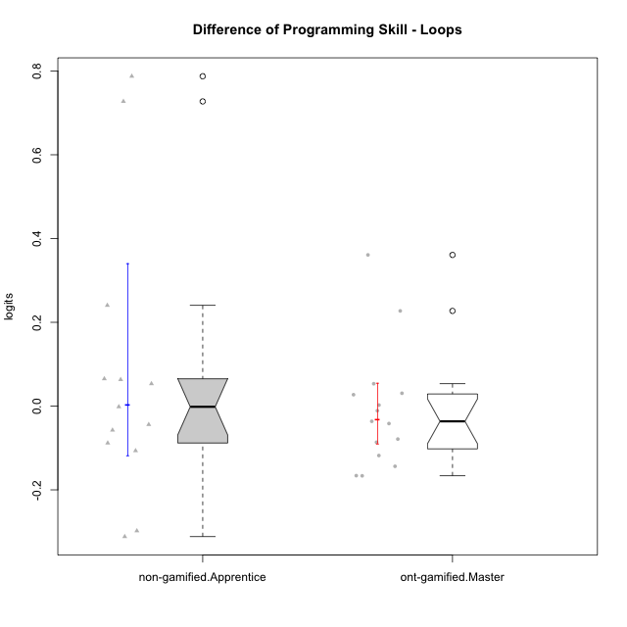

Wilcoxon data
UserID | NroUSP | Type | CLGroup | CLRole | PlayerRole | PreTheta | PostTheta | DiffTheta
10169 | 10377538 | ont-gamified | Grupo Hefesto | Master | Yee Achiever | -0.032480194741 | -0.15050317 | -0.11802297526
10171 | 698531 | non-gamified | Grupo Team 6 | Apprentice |  | -0.44714098689 | 0.34031510244 | 0.78745608933
10174 | 10276852 | ont-gamified | Grupo Urano | Master | Yee Achiever | -0.047926858141 | -0.21401218001 | -0.16608532187
10175 | 10310700 | ont-gamified | Grupo Hélio | Master | Yee Socializer | 0.18198609406 | 0.038228297756 | -0.14375779631
10184 | 10276675 | ont-gamified | Grupo Apolo | Master | Yee Socializer | -0.015127497158 | 0.038228297756 | 0.053355794914
10185 | 10276960 | non-gamified | Grupo Team 12 | Apprentice |  | -0.047172312495 | 0.19328931348 | 0.24046162597
10187 | 9790781 | non-gamified | Grupo Team 15 | Apprentice |  | 0.015234590786 | -0.091328484977 | -0.10656307576
10189 | 9363926 | ont-gamified | Grupo Hades | Master | Yee Socializer | -0.015127497158 | 0.015512707434 | 0.030640204592
10192 | 10276682 | non-gamified | Grupo Team 5 | Apprentice |  | -0.025005344556 | 0.038228297756 | 0.063233642312
10193 | 10276762 | ont-gamified | Grupo Afrodite | Master | Yee Achiever | 0.10183959472 | 0.015512707434 | -0.086326887283
10199 | 10276737 | ont-gamified | Grupo Gaia | Master | Yee Achiever | -0.02062078496 | -0.099412649919 | -0.078791864959
10201 | 10276928 | ont-gamified | Grupo Caronte | Master | Yee Achiever | -0.011657680283 | 0.015512707434 | 0.027170387717
10202 | 10277036 | non-gamified | Grupo Team 11 | Apprentice |  | -0.041984987869 | -0.099412649919 | -0.05742766205
10203 | 9921470 | non-gamified | Grupo Team 3 | Apprentice |  | -0.058799424013 | -0.35667000203 | -0.29787057802
10204 | 10310471 | ont-gamified | Grupo Hermes | Master | Yee Achiever | 0.18198609406 | 0.015512707434 | -0.16647338663
10206 | 10310721 | ont-gamified | Grupo Hera | Master | Yee Achiever | -0.0073006767313 | -0.043644153268 | -0.036343476537
10208 | 10276932 | non-gamified | Grupo Team 7 | Apprentice |  | -0.026931876924 | 0.038228297756 | 0.06516017468
10210 | 10277015 | non-gamified | Grupo Team 9 | Apprentice |  | 0.19689971073 | -0.11477610381 | -0.31167581454
10213 | 10277040 | ont-gamified | Grupo Morfeu | Master | Yee Socializer | -0.02062078496 | 0.34031510244 | 0.3609358874
10215 | 9285227 | ont-gamified | Grupo Zeus | Master | Yee Socializer | -0.02062078496 | -0.018200698968 | 0.0024200859914
10218 | 9842913 | ont-gamified | Grupo Ares | Master | Yee Achiever | -0.022915570247 | -0.064618182401 | -0.041702612154
10220 | 9760151 | non-gamified | Grupo Team 2 | Apprentice |  | -0.015127497158 | 0.038228297756 | 0.053355794914
10223 | 9795185 | ont-gamified | Grupo Cronus | Master | Yee Achiever | -0.033950159683 | 0.19328931348 | 0.22723947316
10224 | 9368772 | non-gamified | Grupo Team 10 | Apprentice |  | -0.85679535514 | -0.12938479264 | 0.7274105625
10227 | 9274382 | non-gamified | Grupo Team 4 | Apprentice |  | -0.092434777871 | -0.1365002933 | -0.044065515426
10232 | 10276974 | ont-gamified | Grupo Artemis | Master | Yee Achiever | -0.02062078496 | -0.031643936414 | -0.011023151454
10233 | 9805320 | non-gamified | Grupo Team 16 | Apprentice |  | -0.033950159683 | -0.12215429965 | -0.088204139964
10238 | 10276953 | non-gamified | Grupo Team 13 | Apprentice |  | -0.0011256740753 | -0.0027748587668 | -0.0016491846915

Type_CLRole_4
Wilcoxon Analysis for Difference of Programming Skill - Loops in Type:CLRole between non-gamified.Master:ont-gamified.Apprentice

Wilcoxon test results
Alternative hypothesis: less
Group | N | Median | Mean.Ranks | Sum.Ranks | U | Z | p.value | r | magnitude
non-gamified.Master | 14 | -0.069035702437 | 13.714285714 | 192 | 87 | -0.78558440485 | 0.22543612095 | 0.14587936173 | small
ont-gamified.Apprentice | 15 | -0.0046094263257 | 16.2 | 243 | 87 | -0.78558440485 | 0.22543612095 | 0.14587936173 | small
Alternative hypothesis: greater
Group | N | Median | Mean.Ranks | Sum.Ranks | U | Z | p.value | r | magnitude
non-gamified.Master | 14 | -0.069035702437 | 13.714285714 | 192 | 87 | -0.78558440485 | 0.78736878981 | 0.14587936173 | small
ont-gamified.Apprentice | 15 | -0.0046094263257 | 16.2 | 243 | 87 | -0.78558440485 | 0.78736878981 | 0.14587936173 | small
Alternative hypothesis: two.sided
Group | N | Median | Mean.Ranks | Sum.Ranks | U | Z | p.value | r | magnitude
non-gamified.Master | 14 | -0.069035702437 | 13.714285714 | 192 | 87 | -0.78558440485 | 0.4508722419 | 0.14587936173 | small
ont-gamified.Apprentice | 15 | -0.0046094263257 | 16.2 | 243 | 87 | -0.78558440485 | 0.4508722419 | 0.14587936173 | small

Box plots for wilcoxon tests
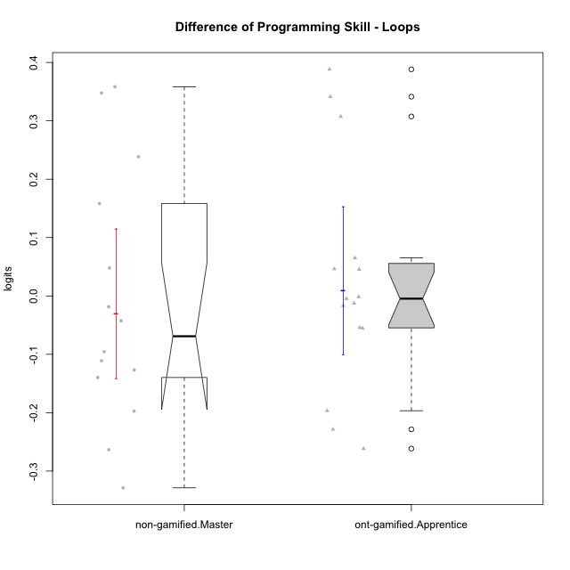

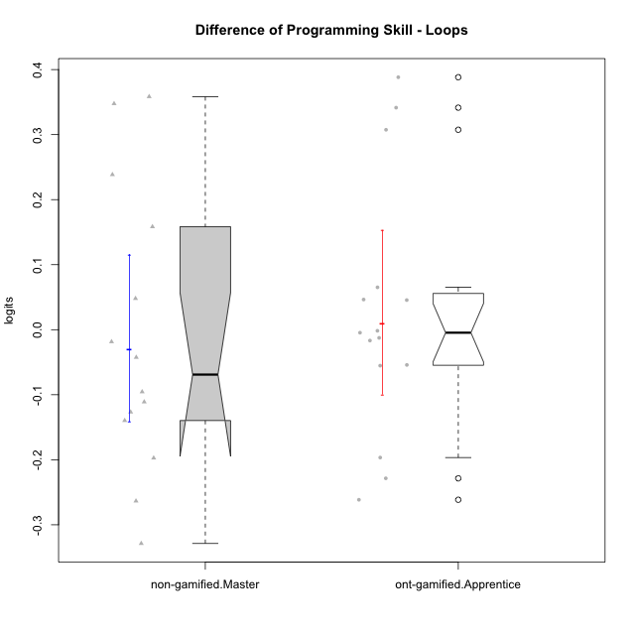

Wilcoxon data
UserID | NroUSP | Type | CLGroup | CLRole | PlayerRole | PreTheta | PostTheta | DiffTheta
10170 | 10260351 | ont-gamified | Grupo Afrodite | Apprentice | Yee Achiever | -0.036035107244 | -0.091328484977 | -0.055293377733
10176 | 10276949 | ont-gamified | Grupo Cronus | Apprentice | Yee Achiever | -0.026931876924 | -0.043644153268 | -0.016712276344
10178 | 8656201 | ont-gamified | Grupo Morfeu | Apprentice | Yee Socializer | -0.086719058651 | -0.091328484977 | -0.0046094263257
10179 | 10310759 | non-gamified | Grupo Team 9 | Master |  | 0.18198609406 | 0.34031510244 | 0.15832900838
10181 | 10276866 | non-gamified | Grupo Team 10 | Master |  | -0.0011256740753 | -0.043644153268 | -0.042518479193
10183 | 10352030 | ont-gamified | Grupo Hélio | Apprentice | Yee Socializer | -0.041984987869 | -0.054555662071 | -0.012570674203
10186 | 10310551 | ont-gamified | Grupo Ares | Apprentice | Yee Achiever | -0.0011256740753 | 0.34031510244 | 0.34144077652
10188 | 10276995 | non-gamified | Grupo Team 3 | Master |  | 0.10183959472 | 0.34031510244 | 0.23847550772
10190 | 10276907 | ont-gamified | Grupo Zeus | Apprentice | Yee Socializer | -0.0081582985864 | 0.038228297756 | 0.046386596342
10191 | 10276981 | non-gamified | Grupo Team 6 | Master |  | 0.13689830817 | -0.0027748587668 | -0.13967316693
10195 | 10351971 | ont-gamified | Grupo Urano | Apprentice | Yee Achiever | -0.028730019215 | -0.082892906508 | -0.054162887292
10196 | 10310655 | ont-gamified | Grupo Hefesto | Apprentice | Yee Achiever | -0.047926858141 | 0.34031510244 | 0.38824196058
10197 | 10276661 | ont-gamified | Grupo Gaia | Apprentice | Yee Achiever | -0.0073006767313 | 0.038228297756 | 0.045528974487
10198 | 10310888 | ont-gamified | Grupo Apolo | Apprentice | Yee Socializer | 0.19689971073 | -0.064618182401 | -0.26151789313
10200 | 9795272 | ont-gamified | Grupo Hades | Apprentice | Yee Socializer | 0.19689971073 | -0.031643936414 | -0.22854364715
10209 | 10262669 | ont-gamified | Grupo Artemis | Apprentice | Yee Achiever | -0.0011256740753 | -0.0027748587668 | -0.0016491846915
10212 | 9065750 | non-gamified | Grupo Team 4 | Master |  | 0.060813732068 | -0.1365002933 | -0.19731402537
10214 | 10277022 | non-gamified | Grupo Team 5 | Master |  | -0.036035107244 | -0.054555662071 | -0.018520554827
10216 | 10276720 | non-gamified | Grupo Team 15 | Master |  | -0.018057795692 | 0.34031510244 | 0.35837289813
10217 | 9805341 | non-gamified | Grupo Team 13 | Master |  | -0.0073006767313 | 0.34031510244 | 0.34761577917
10219 | 10276831 | non-gamified | Grupo Team 12 | Master |  | -0.032480194741 | 0.015512707434 | 0.047992902175
10221 | 9082496 | ont-gamified | Grupo Hermes | Apprentice | Yee Achiever | -0.047926858141 | -0.24454511364 | -0.1966182555
10222 | 9436110 | non-gamified | Grupo Team 16 | Master |  | -0.032480194741 | -0.14353089466 | -0.11105069992
10226 | 10310342 | non-gamified | Grupo Team 8 | Master |  | 0.25472950571 | -0.074025305707 | -0.32875481142
10230 | 10351992 | non-gamified | Grupo Team 14 | Master |  | -0.011657680283 | -0.10721060596 | -0.095552925681
10231 | 10276911 | ont-gamified | Grupo Caronte | Apprentice | Yee Achiever | -0.026931876924 | 0.038228297756 | 0.06516017468
10234 | 10310676 | non-gamified | Grupo Team 7 | Master |  | -0.0098751669531 | -0.1365002933 | -0.12662512634
10237 | 10377688 | non-gamified | Grupo Team 11 | Master |  | 0.21981484416 | -0.043644153268 | -0.26345899743
10240 | 10276654 | ont-gamified | Grupo Hera | Apprentice | Yee Achiever | -0.29195396235 | 0.015512707434 | 0.30746666978

Type_CLRole_5
Wilcoxon Analysis for Difference of Programming Skill - Loops in Type:CLRole between non-gamified.Master:ont-gamified.Master

Wilcoxon test results
Alternative hypothesis: less
Group | N | Median | Mean.Ranks | Sum.Ranks | U | Z | p.value | r | magnitude
non-gamified.Master | 14 | -0.069035702437 | 14.285714286 | 200 | 95 | -0.43643578047 | 0.34147693955 | 0.081044089847 | none
ont-gamified.Master | 15 | -0.036343476537 | 15.666666667 | 235 | 95 | -0.43643578047 | 0.34147693955 | 0.081044089847 | none
Alternative hypothesis: greater
Group | N | Median | Mean.Ranks | Sum.Ranks | U | Z | p.value | r | magnitude
non-gamified.Master | 14 | -0.069035702437 | 14.285714286 | 200 | 95 | -0.43643578047 | 0.67419063946 | 0.081044089847 | none
ont-gamified.Master | 15 | -0.036343476537 | 15.666666667 | 235 | 95 | -0.43643578047 | 0.67419063946 | 0.081044089847 | none
Alternative hypothesis: two.sided
Group | N | Median | Mean.Ranks | Sum.Ranks | U | Z | p.value | r | magnitude
non-gamified.Master | 14 | -0.069035702437 | 14.285714286 | 200 | 95 | -0.43643578047 | 0.6829538791 | 0.081044089847 | none
ont-gamified.Master | 15 | -0.036343476537 | 15.666666667 | 235 | 95 | -0.43643578047 | 0.6829538791 | 0.081044089847 | none

Box plots for wilcoxon tests
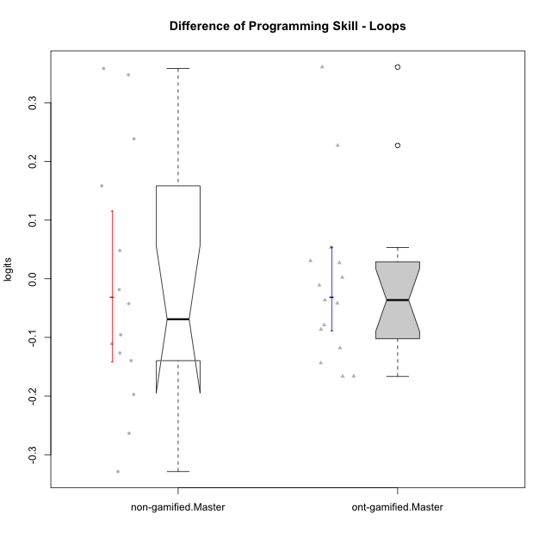

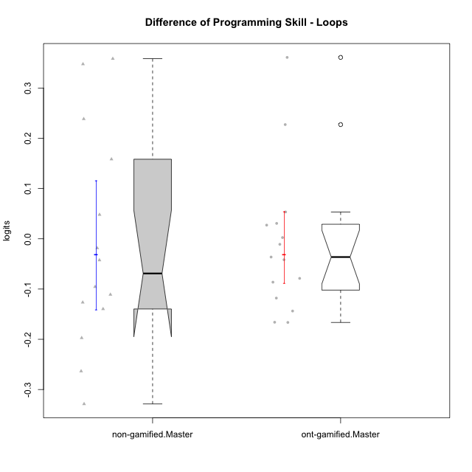

Wilcoxon data
UserID | NroUSP | Type | CLGroup | CLRole | PlayerRole | PreTheta | PostTheta | DiffTheta
10169 | 10377538 | ont-gamified | Grupo Hefesto | Master | Yee Achiever | -0.032480194741 | -0.15050317 | -0.11802297526
10174 | 10276852 | ont-gamified | Grupo Urano | Master | Yee Achiever | -0.047926858141 | -0.21401218001 | -0.16608532187
10175 | 10310700 | ont-gamified | Grupo Hélio | Master | Yee Socializer | 0.18198609406 | 0.038228297756 | -0.14375779631
10179 | 10310759 | non-gamified | Grupo Team 9 | Master |  | 0.18198609406 | 0.34031510244 | 0.15832900838
10181 | 10276866 | non-gamified | Grupo Team 10 | Master |  | -0.0011256740753 | -0.043644153268 | -0.042518479193
10184 | 10276675 | ont-gamified | Grupo Apolo | Master | Yee Socializer | -0.015127497158 | 0.038228297756 | 0.053355794914
10188 | 10276995 | non-gamified | Grupo Team 3 | Master |  | 0.10183959472 | 0.34031510244 | 0.23847550772
10189 | 9363926 | ont-gamified | Grupo Hades | Master | Yee Socializer | -0.015127497158 | 0.015512707434 | 0.030640204592
10191 | 10276981 | non-gamified | Grupo Team 6 | Master |  | 0.13689830817 | -0.0027748587668 | -0.13967316693
10193 | 10276762 | ont-gamified | Grupo Afrodite | Master | Yee Achiever | 0.10183959472 | 0.015512707434 | -0.086326887283
10199 | 10276737 | ont-gamified | Grupo Gaia | Master | Yee Achiever | -0.02062078496 | -0.099412649919 | -0.078791864959
10201 | 10276928 | ont-gamified | Grupo Caronte | Master | Yee Achiever | -0.011657680283 | 0.015512707434 | 0.027170387717
10204 | 10310471 | ont-gamified | Grupo Hermes | Master | Yee Achiever | 0.18198609406 | 0.015512707434 | -0.16647338663
10206 | 10310721 | ont-gamified | Grupo Hera | Master | Yee Achiever | -0.0073006767313 | -0.043644153268 | -0.036343476537
10212 | 9065750 | non-gamified | Grupo Team 4 | Master |  | 0.060813732068 | -0.1365002933 | -0.19731402537
10213 | 10277040 | ont-gamified | Grupo Morfeu | Master | Yee Socializer | -0.02062078496 | 0.34031510244 | 0.3609358874
10214 | 10277022 | non-gamified | Grupo Team 5 | Master |  | -0.036035107244 | -0.054555662071 | -0.018520554827
10215 | 9285227 | ont-gamified | Grupo Zeus | Master | Yee Socializer | -0.02062078496 | -0.018200698968 | 0.0024200859914
10216 | 10276720 | non-gamified | Grupo Team 15 | Master |  | -0.018057795692 | 0.34031510244 | 0.35837289813
10217 | 9805341 | non-gamified | Grupo Team 13 | Master |  | -0.0073006767313 | 0.34031510244 | 0.34761577917
10218 | 9842913 | ont-gamified | Grupo Ares | Master | Yee Achiever | -0.022915570247 | -0.064618182401 | -0.041702612154
10219 | 10276831 | non-gamified | Grupo Team 12 | Master |  | -0.032480194741 | 0.015512707434 | 0.047992902175
10222 | 9436110 | non-gamified | Grupo Team 16 | Master |  | -0.032480194741 | -0.14353089466 | -0.11105069992
10223 | 9795185 | ont-gamified | Grupo Cronus | Master | Yee Achiever | -0.033950159683 | 0.19328931348 | 0.22723947316
10226 | 10310342 | non-gamified | Grupo Team 8 | Master |  | 0.25472950571 | -0.074025305707 | -0.32875481142
10230 | 10351992 | non-gamified | Grupo Team 14 | Master |  | -0.011657680283 | -0.10721060596 | -0.095552925681
10232 | 10276974 | ont-gamified | Grupo Artemis | Master | Yee Achiever | -0.02062078496 | -0.031643936414 | -0.011023151454
10234 | 10310676 | non-gamified | Grupo Team 7 | Master |  | -0.0098751669531 | -0.1365002933 | -0.12662512634
10237 | 10377688 | non-gamified | Grupo Team 11 | Master |  | 0.21981484416 | -0.043644153268 | -0.26345899743

Type_CLRole_6
Wilcoxon Analysis for Difference of Programming Skill - Loops in Type:CLRole between ont-gamified.Apprentice:ont-gamified.Master

Wilcoxon test results
Alternative hypothesis: less
Group | N | Median | Mean.Ranks | Sum.Ranks | U | Z | p.value | r | magnitude
ont-gamified.Apprentice | 15 | -0.0046094263257 | 16.4 | 246 | 126 | 0.55995391515 | 0.71661275271 | 0.10223313016 | small
ont-gamified.Master | 15 | -0.036343476537 | 14.6 | 219 | 126 | 0.55995391515 | 0.71661275271 | 0.10223313016 | small
Alternative hypothesis: greater
Group | N | Median | Mean.Ranks | Sum.Ranks | U | Z | p.value | r | magnitude
ont-gamified.Apprentice | 15 | -0.0046094263257 | 16.4 | 246 | 126 | 0.55995391515 | 0.29744196529 | 0.10223313016 | small
ont-gamified.Master | 15 | -0.036343476537 | 14.6 | 219 | 126 | 0.55995391515 | 0.29744196529 | 0.10223313016 | small
Alternative hypothesis: two.sided
Group | N | Median | Mean.Ranks | Sum.Ranks | U | Z | p.value | r | magnitude
ont-gamified.Apprentice | 15 | -0.0046094263257 | 16.4 | 246 | 126 | 0.55995391515 | 0.59488393058 | 0.10223313016 | small
ont-gamified.Master | 15 | -0.036343476537 | 14.6 | 219 | 126 | 0.55995391515 | 0.59488393058 | 0.10223313016 | small

Box plots for wilcoxon tests
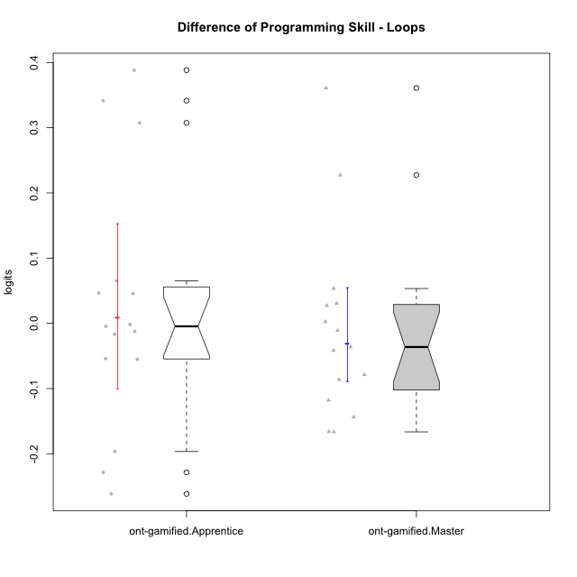

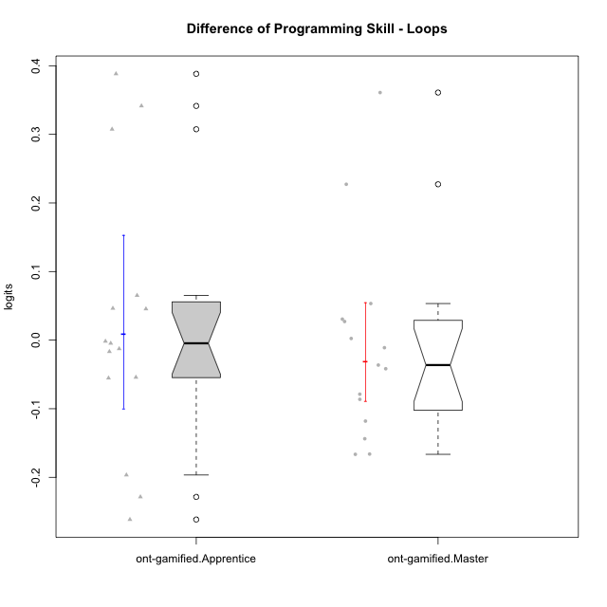

Wilcoxon data
UserID | NroUSP | Type | CLGroup | CLRole | PlayerRole | PreTheta | PostTheta | DiffTheta
10169 | 10377538 | ont-gamified | Grupo Hefesto | Master | Yee Achiever | -0.032480194741 | -0.15050317 | -0.11802297526
10170 | 10260351 | ont-gamified | Grupo Afrodite | Apprentice | Yee Achiever | -0.036035107244 | -0.091328484977 | -0.055293377733
10174 | 10276852 | ont-gamified | Grupo Urano | Master | Yee Achiever | -0.047926858141 | -0.21401218001 | -0.16608532187
10175 | 10310700 | ont-gamified | Grupo Hélio | Master | Yee Socializer | 0.18198609406 | 0.038228297756 | -0.14375779631
10176 | 10276949 | ont-gamified | Grupo Cronus | Apprentice | Yee Achiever | -0.026931876924 | -0.043644153268 | -0.016712276344
10178 | 8656201 | ont-gamified | Grupo Morfeu | Apprentice | Yee Socializer | -0.086719058651 | -0.091328484977 | -0.0046094263257
10183 | 10352030 | ont-gamified | Grupo Hélio | Apprentice | Yee Socializer | -0.041984987869 | -0.054555662071 | -0.012570674203
10184 | 10276675 | ont-gamified | Grupo Apolo | Master | Yee Socializer | -0.015127497158 | 0.038228297756 | 0.053355794914
10186 | 10310551 | ont-gamified | Grupo Ares | Apprentice | Yee Achiever | -0.0011256740753 | 0.34031510244 | 0.34144077652
10189 | 9363926 | ont-gamified | Grupo Hades | Master | Yee Socializer | -0.015127497158 | 0.015512707434 | 0.030640204592
10190 | 10276907 | ont-gamified | Grupo Zeus | Apprentice | Yee Socializer | -0.0081582985864 | 0.038228297756 | 0.046386596342
10193 | 10276762 | ont-gamified | Grupo Afrodite | Master | Yee Achiever | 0.10183959472 | 0.015512707434 | -0.086326887283
10195 | 10351971 | ont-gamified | Grupo Urano | Apprentice | Yee Achiever | -0.028730019215 | -0.082892906508 | -0.054162887292
10196 | 10310655 | ont-gamified | Grupo Hefesto | Apprentice | Yee Achiever | -0.047926858141 | 0.34031510244 | 0.38824196058
10197 | 10276661 | ont-gamified | Grupo Gaia | Apprentice | Yee Achiever | -0.0073006767313 | 0.038228297756 | 0.045528974487
10198 | 10310888 | ont-gamified | Grupo Apolo | Apprentice | Yee Socializer | 0.19689971073 | -0.064618182401 | -0.26151789313
10199 | 10276737 | ont-gamified | Grupo Gaia | Master | Yee Achiever | -0.02062078496 | -0.099412649919 | -0.078791864959
10200 | 9795272 | ont-gamified | Grupo Hades | Apprentice | Yee Socializer | 0.19689971073 | -0.031643936414 | -0.22854364715
10201 | 10276928 | ont-gamified | Grupo Caronte | Master | Yee Achiever | -0.011657680283 | 0.015512707434 | 0.027170387717
10204 | 10310471 | ont-gamified | Grupo Hermes | Master | Yee Achiever | 0.18198609406 | 0.015512707434 | -0.16647338663
10206 | 10310721 | ont-gamified | Grupo Hera | Master | Yee Achiever | -0.0073006767313 | -0.043644153268 | -0.036343476537
10209 | 10262669 | ont-gamified | Grupo Artemis | Apprentice | Yee Achiever | -0.0011256740753 | -0.0027748587668 | -0.0016491846915
10213 | 10277040 | ont-gamified | Grupo Morfeu | Master | Yee Socializer | -0.02062078496 | 0.34031510244 | 0.3609358874
10215 | 9285227 | ont-gamified | Grupo Zeus | Master | Yee Socializer | -0.02062078496 | -0.018200698968 | 0.0024200859914
10218 | 9842913 | ont-gamified | Grupo Ares | Master | Yee Achiever | -0.022915570247 | -0.064618182401 | -0.041702612154
10221 | 9082496 | ont-gamified | Grupo Hermes | Apprentice | Yee Achiever | -0.047926858141 | -0.24454511364 | -0.1966182555
10223 | 9795185 | ont-gamified | Grupo Cronus | Master | Yee Achiever | -0.033950159683 | 0.19328931348 | 0.22723947316
10231 | 10276911 | ont-gamified | Grupo Caronte | Apprentice | Yee Achiever | -0.026931876924 | 0.038228297756 | 0.06516017468
10232 | 10276974 | ont-gamified | Grupo Artemis | Master | Yee Achiever | -0.02062078496 | -0.031643936414 | -0.011023151454
10240 | 10276654 | ont-gamified | Grupo Hera | Apprentice | Yee Achiever | -0.29195396235 | 0.015512707434 | 0.30746666978

