Assumptions
ANOVA assumptions for Interest/Enjoyment

Shapiro-Wilk normality test for Interest/Enjoyment
W | p.value
0.96633384656 | 0.11917594506

Plots for normality test
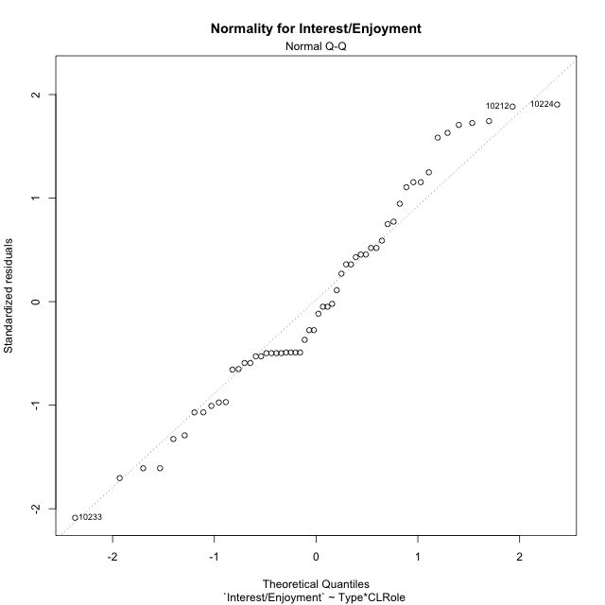

Levene's Test for Homogeneity of Variance in Interest/Enjoyment
Df | F value | Pr(>F)
3 | 0.77404684203 | 0.51379106896
52

Plots for homogeneity of variance
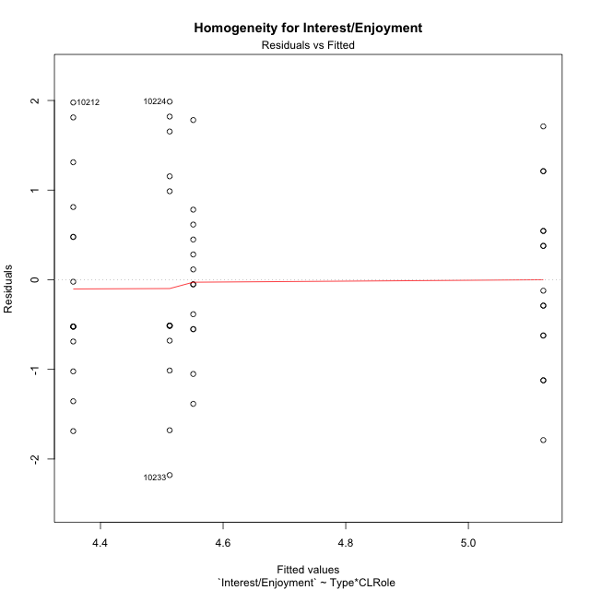

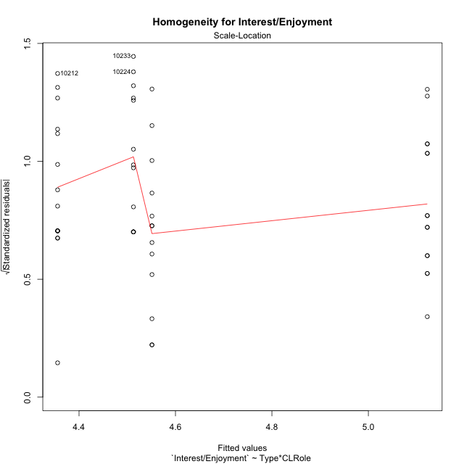

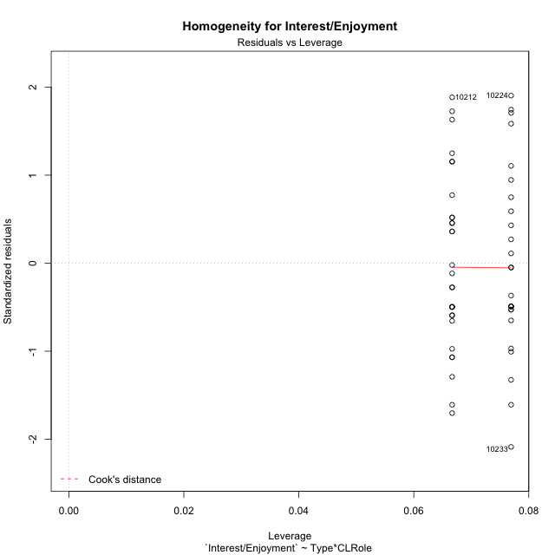

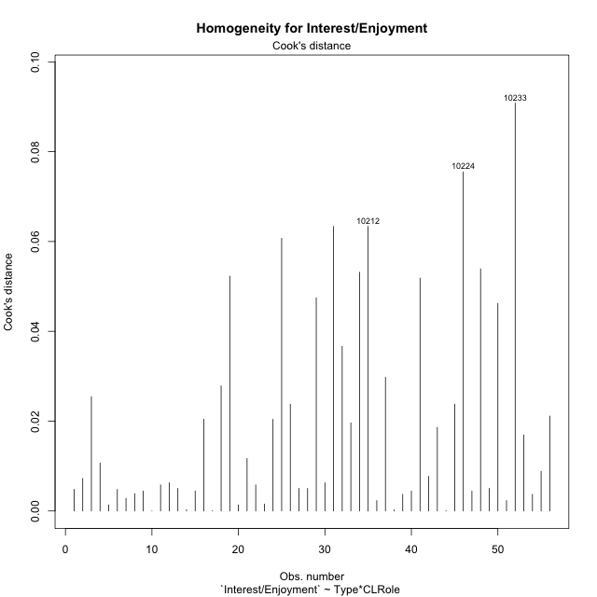

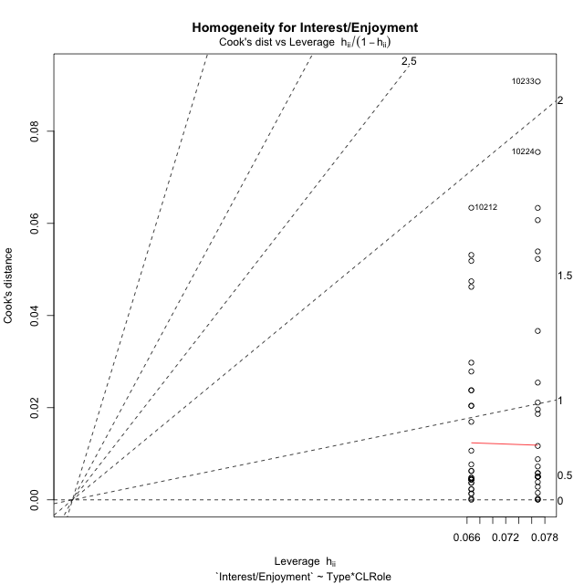

Minimum Sample Size Test for Interest/Enjoyment
Type | CLRole | Freq
non-gamified | Apprentice | 13
ont-gamified | Apprentice | 13
non-gamified | Master | 15
ont-gamified | Master | 15

Errors and Warnings in Sample Size Test for ANOVA in Interest/Enjoyment
code | description
WARN: sample.size | current.size is = 13 and recommended.size must be = 15 for the group: 'non-gamified:Apprentice'. Size sample for parametric test isn't recomended
WARN: sample.size | current.size is = 13 and recommended.size must be = 15 for the group: 'ont-gamified:Apprentice'. Size sample for parametric test isn't recomended

For the group: 'non-gamified:Apprentice', we recommend the use of non parametric test. For the group: 'ont-gamified:Apprentice', we recommend the use of non parametric test. For the group: 'non-gamified:Master', you can perform a parametric test with a non-normal distribution For the group: 'ont-gamified:Master', you can perform a parametric test with a non-normal distribution

If you don't want to remove non-normal data, you must cite the following references: ... (1) Lix, L.M., J.C. Keselman, and H.J. Keselman. 1996. Consequences of assumption violations revisited: A quantitative review of alternatives to the one-way analysis of variance F test. Rev. Educ. Res. 66: 579-619. ... (2) Harwell, M.R., E.N. Rubinstein, W.S. Hayes, and C.C. Olds. 1992. Summarizing Monte Carlo results in methodological research: the one- and two-factor fixed effects ANOVA cases. J. Educ. Stat. 17: 315-339.

Post-hoc
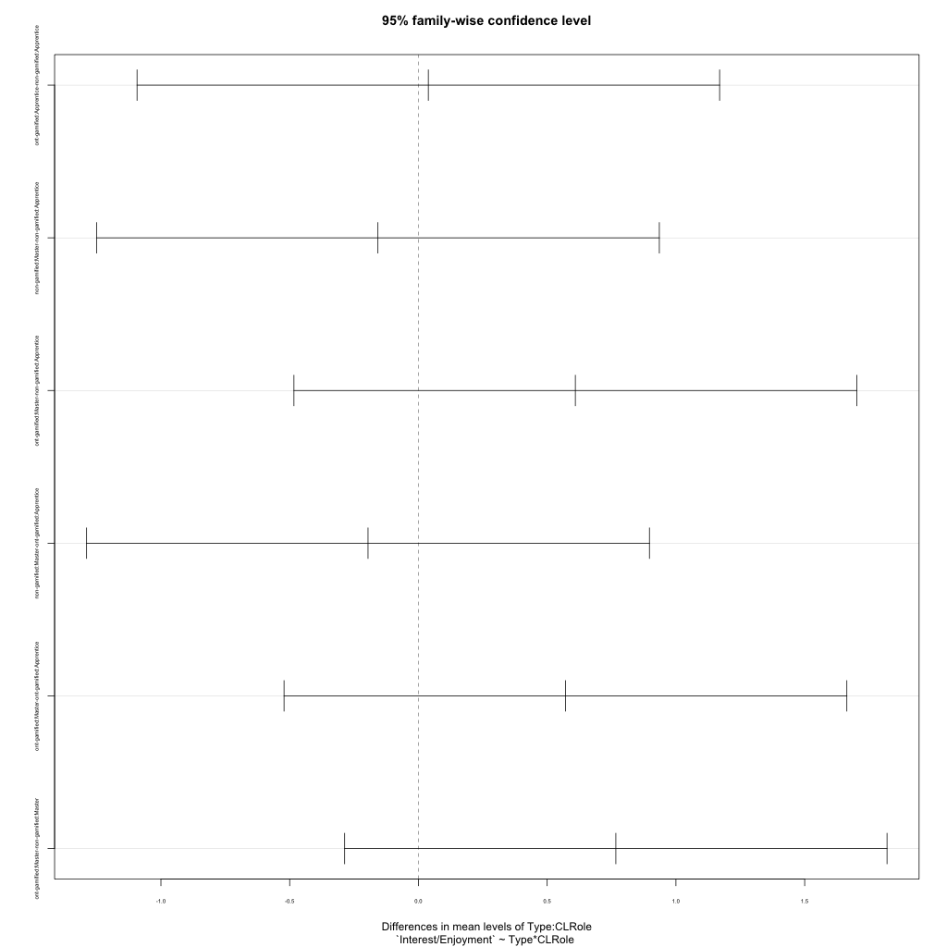
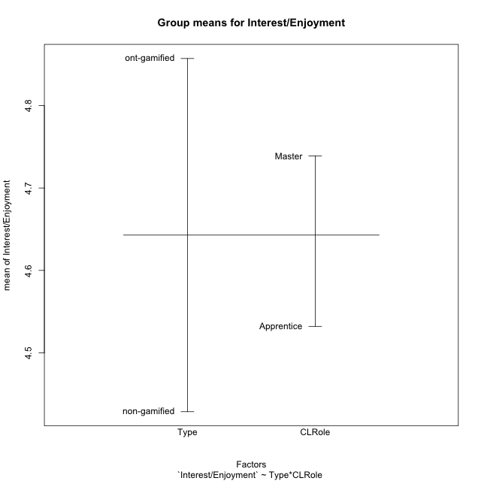
Post-hoc Tukey Honestly Significant Difference (HSD) Test for Interest/Enjoyment

Comparisons of means for Type
 | diff | lwr | upr | p adj
ont-gamified-non-gamified | 0.42857142857 | -0.15418275975 | 1.0113256169 | 0.14604471638

Comparisons of means for CLRole
 | diff | lwr | upr | p adj
Master-Apprentice | 0.20683760684 | -0.37740891219 | 0.79108412587 | 0.48062881316

Comparisons of means for Type:CLRole
 | diff | lwr | upr | p adj
ont-gamified:Apprentice-non-gamified:Apprentice | 0.038461538462 | -1.0927371541 | 1.169660231 | 0.99973312847
non-gamified:Master-non-gamified:Apprentice | -0.15726495726 | -1.2501067192 | 0.93557680466 | 0.98083429752
ont-gamified:Master-non-gamified:Apprentice | 0.6094017094 | -0.48344005252 | 1.7022434713 | 0.45669501832
non-gamified:Master-ont-gamified:Apprentice | -0.19572649573 | -1.2885682576 | 0.8971152662 | 0.96418660979
ont-gamified:Master-ont-gamified:Apprentice | 0.57094017094 | -0.52190159098 | 1.6637819329 | 0.51330499975
ont-gamified:Master-non-gamified:Master | 0.76666666667 | -0.28642200535 | 1.8197553387 | 0.22739296583

Contrast Matrices for Interest/Enjoyment - Type
contrast | estimate | SE | df | t.ratio | p.value
non-gamified - ont-gamified | -0.40256410256 | 0.29115563214 | 52 | -1.3826423332 | 0.17268394218

Contrast Matrices for Interest/Enjoyment - Type:CLRole
contrast | CLRole | estimate | SE | df | t.ratio | p.value
non-gamified - ont-gamified | Apprentice | -0.038461538462 | 0.42620820397 | 52 | -0.090241196915 | 0.92844225213
non-gamified - ont-gamified | Master | -0.76666666667 | 0.39677824459 | 52 | -1.9322295945 | 0.058787348786

Least Squares Means and Confidence Intervals for Type
Type | lsmean | SE | df | lower.CL | upper.CL | Pairs
non-gamified | 4.4341880342 | 0.20587812187 | 52 | 4.0210633587 | 4.8473127097 | non-gamified
ont-gamified | 4.8367521368 | 0.20587812187 | 52 | 4.4236274613 | 5.2498768122 | ont-gamified

Least Squares Means and Confidence Intervals for Type:CLRole
Type | CLRole | lsmean | SE | df | lower.CL | upper.CL | Pairs
non-gamified | Apprentice | 4.5128205128 | 0.30137471123 | 52 | 3.9080679114 | 5.1175731142 | non-gamified.Apprentice
ont-gamified | Apprentice | 4.5512820513 | 0.30137471123 | 52 | 3.9465294499 | 5.1560346527 | ont-gamified.Apprentice
non-gamified | Master | 4.3555555556 | 0.28056458738 | 52 | 3.7925615227 | 4.9185495884 | non-gamified.Master
ont-gamified | Master | 5.1222222222 | 0.28056458738 | 52 | 4.5592281893 | 5.6852162551 | ont-gamified.Master

Plots

Type_1
Student's t-Test for Interest/Enjoyment in Type between non-gamified:ont-gamified

Student's t-Test results
Alternative hypothesis: less
Group | N | Mean | Mean.Difference | Std.deviation | Std.error | CI.lower | CI.upper | df | t.value | p.value | g | magnitude
non-gamified | 28 | 4.4285714286 | -0.42857142857 | 1.215832262 | 0.22977070009 | 3.9690300284 | 4.8881128288 | 50.814604527 | -1.4748007645 | 0.073217689347 | -0.3886572176 | small
ont-gamified | 28 | 4.8571428571 | 0.42857142857 | 0.94140500649 | 0.17790882358 | 4.50132521 | 5.2129605043 | 50.814604527 | -1.4748007645 | 0.073217689347 | -0.3886572176 | small
Alternative hypothesis: greater
Group | N | Mean | Mean.Difference | Std.deviation | Std.error | CI.lower | CI.upper | df | t.value | p.value | g | magnitude
non-gamified | 28 | 4.4285714286 | -0.42857142857 | 1.215832262 | 0.22977070009 | 3.9690300284 | 4.8881128288 | 50.814604527 | -1.4748007645 | 0.92678231065 | -0.3886572176 | small
ont-gamified | 28 | 4.8571428571 | 0.42857142857 | 0.94140500649 | 0.17790882358 | 4.50132521 | 5.2129605043 | 50.814604527 | -1.4748007645 | 0.92678231065 | -0.3886572176 | small
Alternative hypothesis: two.sided
Group | N | Mean | Mean.Difference | Std.deviation | Std.error | CI.lower | CI.upper | df | t.value | p.value | g | magnitude
non-gamified | 28 | 4.4285714286 | -0.42857142857 | 1.215832262 | 0.22977070009 | 3.9690300284 | 4.8881128288 | 50.814604527 | -1.4748007645 | 0.14643537869 | -0.3886572176 | small
ont-gamified | 28 | 4.8571428571 | 0.42857142857 | 0.94140500649 | 0.17790882358 | 4.50132521 | 5.2129605043 | 50.814604527 | -1.4748007645 | 0.14643537869 | -0.3886572176 | small

Box plots for Student's t-Test
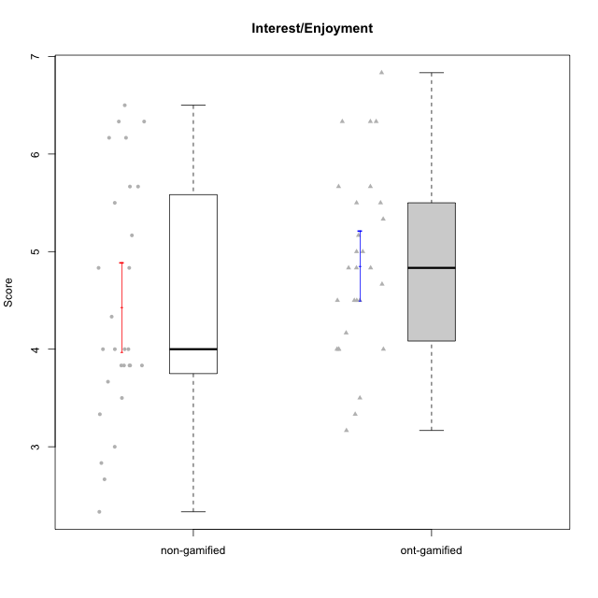

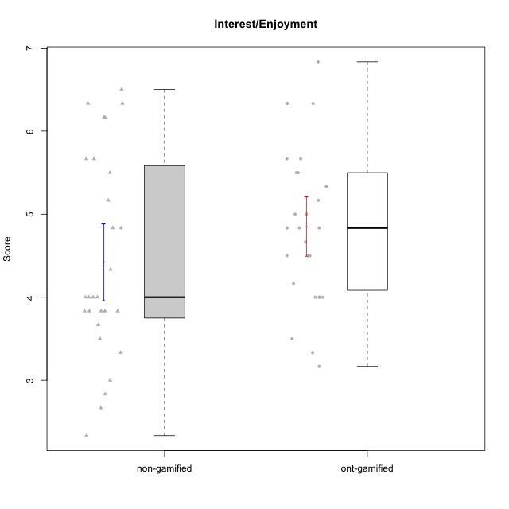

Student's t-Test data
UserID | NroUSP | Type | CLGroup | CLRole | PlayerRole | Item01IE | Item09IE | Item12IE | Item21IE | Item22IE | Item24IE | Item02PC | Item05PC | Item06PC | Item08PC | Item15PC | Item17PC | Item20PC | Item23PC | Item11PT | Item14PT | Item16PT | Item18PT | Interest/Enjoyment | Perceived Choice | Pressure/Tension | Intrinsic Motivation
10169 | 10377538 | ont-gamified | Grupo Hefesto | Master | Yee Achiever | 4 | 6 | 6 | 6 | 6 | 6 | 4 | 6 | 6 | 2 | 2 | 2 | 2 | 6 | 7 | 1 | 4 | 2 | 5.6666666667 | 5.25 | 2 | 5.5555555556
10170 | 10260351 | ont-gamified | Grupo Afrodite | Apprentice | Yee Achiever | 5 | 5 | 5 | 6 | 6 | 4 | 2 | 7 | 1 | 2 | 2 | 1 | 2 | 7 | 7 | 1 | 1 | 1 | 5.1666666667 | 6.5 | 1 | 6.1666666667
10171 | 698531 | non-gamified | Grupo Team 6 | Apprentice |  | 6 | 6 | 6 | 5 | 5 | 6 | 2 | 7 | 2 | 1 | 3 | 2 | 1 | 2 | 6 | 1 | 1 | 1 | 5.6666666667 | 5.75 | 1.25 | 5.9444444444
10172 | 10273971 | non-gamified | Grupo Team 1 | Master |  | 6 | 6 | 5 | 5 | 5 | 4 | 4 | 3 | 2 | 3 | 2 | 2 | 3 | 5 | 7 | 1 | 1 | 1 | 5.1666666667 | 5 | 1 | 5.5
10174 | 10276852 | ont-gamified | Grupo Urano | Master | Yee Achiever | 4 | 5 | 4 | 4 | 6 | 6 | 4 | 4 | 4 | 3 | 4 | 3 | 3 | 4 | 6 | 1 | 1 | 1 | 4.8333333333 | 4.375 | 1.25 | 5.0555555556
10175 | 10310700 | ont-gamified | Grupo Hélio | Master | Yee Socializer | 6 | 6 | 6 | 5 | 5 | 6 | 1 | 7 | 1 | 1 | 1 | 1 | 1 | 6 | 7 | 1 | 1 | 1 | 5.6666666667 | 6.875 | 1 | 6.5
10176 | 10276949 | ont-gamified | Grupo Cronus | Apprentice | Yee Achiever | 5 | 5 | 4 | 4 | 4 | 3 | 5 | 6 | 1 | 1 | 2 | 2 | 2 | 2 | 4 | 2 | 3 | 2 | 4.1666666667 | 5.375 | 2.75 | 4.9444444444
10178 | 8656201 | ont-gamified | Grupo Morfeu | Apprentice | Yee Socializer | 5 | 5 | 5 | 5 | 5 | 5 | 4 | 5 | 2 | 1 | 3 | 1 | 3 | 5 | 5 | 1 | 4 | 1 | 5 | 5.5 | 2.25 | 5.3888888889
10179 | 10310759 | non-gamified | Grupo Team 9 | Master |  | 4 | 4 | 3 | 4 | 4 | 4 | 6 | 3 | 5 | 4 | 5 | 4 | 3 | 3 | 6 | 2 | 2 | 2 | 3.8333333333 | 3.375 | 2 | 4.1111111111
10181 | 10276866 | non-gamified | Grupo Team 10 | Master |  | 5 | 5 | 5 | 5 | 4 | 2 | 2 | 2 | 1 | 3 | 2 | 2 | 2 | 4 | 7 | 1 | 1 | 1 | 4.3333333333 | 5.25 | 1 | 5.3333333333
10183 | 10352030 | ont-gamified | Grupo Hélio | Apprentice | Yee Socializer | 5 | 4 | 4 | 4 | 4 | 3 | 3 | 5 | 2 | 4 | 2 | 2 | 2 | 4 | 5 | 2 | 3 | 3 | 4 | 5.25 | 2.75 | 4.8333333333
10184 | 10276675 | ont-gamified | Grupo Apolo | Master | Yee Socializer | 5 | 5 | 5 | 4 | 4 | 4 | 5 | 7 | 1 | 1 | 4 | 1 | 2 | 4 | 4 | 1 | 3 | 1 | 4.5 | 5.625 | 2.25 | 5.2777777778
10185 | 10276960 | non-gamified | Grupo Team 12 | Apprentice |  | 4 | 4 | 4 | 4 | 4 | 4 | 4 | 3 | 3 | 3 | 4 | 4 | 3 | 4 | 6 | 2 | 2 | 3 | 4 | 4.25 | 2.25 | 4.5
10186 | 10310551 | ont-gamified | Grupo Ares | Apprentice | Yee Achiever | 3 | 6 | 4 | 4 | 5 | 6 | 2 | 4 | 4 | 1 | 1 | 1 | 1 | 5 | 4 | 1 | 4 | 3 | 4.6666666667 | 5.875 | 3 | 5.2777777778
10188 | 10276995 | non-gamified | Grupo Team 3 | Master |  | 4 | 4 | 4 | 3 | 4 | 4 | 3 | 3 | 3 | 3 | 3 | 3 | 4 | 4 | 6 | 2 | 1 | 1 | 3.8333333333 | 4.5 | 1.5 | 4.7222222222
10189 | 9363926 | ont-gamified | Grupo Hades | Master | Yee Socializer | 2 | 4 | 3 | 6 | 4 | 5 | 4 | 5 | 2 | 1 | 5 | 2 | 1 | 2 | 5 | 4 | 5 | 2 | 4 | 5 | 3.5 | 4.5555555556
10190 | 10276907 | ont-gamified | Grupo Zeus | Apprentice | Yee Socializer | 4 | 5 | 5 | 4 | 4 | 5 | 4 | 7 | 1 | 3 | 1 | 2 | 3 | 4 | 6 | 1 | 2 | 2 | 4.5 | 5.625 | 1.75 | 5.3888888889
10191 | 10276981 | non-gamified | Grupo Team 6 | Master |  | 4 | 6 | 6 | 6 | 5 | 7 | 2 | 6 | 2 | 3 | 6 | 1 | 1 | 4 | 7 | 1 | 2 | 1 | 5.6666666667 | 5.375 | 1.25 | 5.7777777778
10192 | 10276682 | non-gamified | Grupo Team 5 | Apprentice |  | 4 | 7 | 7 | 6 | 6 | 7 | 2 | 7 | 7 | 1 | 7 | 1 | 6 | 4 | 7 | 1 | 1 | 1 | 6.1666666667 | 4.375 | 1 | 5.5555555556
10193 | 10276762 | ont-gamified | Grupo Afrodite | Master | Yee Achiever | 4 | 5 | 5 | 5 | 6 | 4 | 2 | 4 | 5 | 3 | 5 | 3 | 2 | 5 | 6 | 1 | 1 | 1 | 4.8333333333 | 4.625 | 1.25 | 5.1666666667
10195 | 10351971 | ont-gamified | Grupo Urano | Apprentice | Yee Achiever | 5 | 6 | 5 | 6 | 5 | 5 | 4 | 4 | 4 | 1 | 4 | 4 | 2 | 4 | 7 | 1 | 1 | 1 | 5.3333333333 | 4.625 | 1 | 5.3888888889
10196 | 10310655 | ont-gamified | Grupo Hefesto | Apprentice | Yee Achiever | 4 | 4 | 4 | 4 | 4 | 4 | 6 | 2 | 1 | 4 | 7 | 1 | 4 | 4 | 7 | 1 | 1 | 1 | 4 | 3.875 | 1 | 4.6111111111
10197 | 10276661 | ont-gamified | Grupo Gaia | Apprentice | Yee Achiever | 4 | 6 | 4 | 6 | 4 | 5 | 1 | 7 | 2 | 1 | 1 | 1 | 1 | 6 | 7 | 1 | 1 | 1 | 4.8333333333 | 6.75 | 1 | 6.1666666667
10199 | 10276737 | ont-gamified | Grupo Gaia | Master | Yee Achiever | 4 | 4 | 4 | 4 | 7 | 1 | 1 | 7 | 1 | 1 | 1 | 1 | 1 | 7 | 2 | 3 | 1 | 1 | 4 | 7 | 2.75 | 5.6111111111
10200 | 9795272 | ont-gamified | Grupo Hades | Apprentice | Yee Socializer | 6 | 6 | 7 | 6 | 6 | 7 | 2 | 5 | 2 | 3 | 4 | 2 | 2 | 4 | 7 | 1 | 1 | 1 | 6.3333333333 | 5.25 | 1 | 6
10201 | 10276928 | ont-gamified | Grupo Caronte | Master | Yee Achiever | 5 | 7 | 7 | 7 | 7 | 5 | 2 | 7 | 3 | 2 | 2 | 2 | 1 | 3 | 6 | 3 | 2 | 1 | 6.3333333333 | 5.75 | 2 | 6
10202 | 10277036 | non-gamified | Grupo Team 11 | Apprentice |  | 4 | 4 | 4 | 4 | 4 | 4 | 7 | 4 | 4 | 5 | 4 | 4 | 4 | 3 | 1 | 7 | 7 | 7 | 4 | 3.375 | 7 | 3.0555555556
10203 | 9921470 | non-gamified | Grupo Team 3 | Apprentice |  | 7 | 7 | 7 | 1 | 1 | 1 | 1 | 7 | 1 | 1 | 1 | 1 | 1 | 1 | 7 | 1 | 2 | 1 | 4 | 6.25 | 1.25 | 5.6111111111
10204 | 10310471 | ont-gamified | Grupo Hermes | Master | Yee Achiever | 6 | 7 | 7 | 7 | 7 | 7 | 2 | 7 | 4 | 1 | 1 | 1 | 1 | 7 | 7 | 1 | 1 | 1 | 6.8333333333 | 6.5 | 1 | 6.7222222222
10206 | 10310721 | ont-gamified | Grupo Hera | Master | Yee Achiever | 4 | 6 | 4 | 5 | 5 | 3 | 1 | 7 | 1 | 2 | 2 | 1 | 2 | 6 | 2 | 3 | 3 | 2 | 4.5 | 6.5 | 3.5 | 5.3888888889
10208 | 10276932 | non-gamified | Grupo Team 7 | Apprentice |  | 6 | 6 | 7 | 7 | 6 | 6 | 4 | 7 | 4 | 1 | 2 | 1 | 2 | 5 | 7 | 1 | 4 | 1 | 6.3333333333 | 5.75 | 1.75 | 6.0555555556
10209 | 10262669 | ont-gamified | Grupo Artemis | Apprentice | Yee Achiever | 4 | 3 | 3 | 3 | 2 | 4 | 7 | 4 | 7 | 7 | 7 | 7 | 5 | 1 | 7 | 1 | 1 | 1 | 3.1666666667 | 1.625 | 1 | 3.3333333333
10210 | 10277015 | non-gamified | Grupo Team 9 | Apprentice |  | 4 | 5 | 4 | 2 | 2 | 4 | 6 | 3 | 5 | 5 | 6 | 4 | 5 | 2 | 4 | 4 | 4 | 6 | 3.5 | 2.75 | 4.5 | 3.1666666667
10211 | 9311643 | non-gamified | Grupo Team 2 | Master |  | 7 | 7 | 5 | 6 | 6 | 6 | 7 | 3 | 6 | 3 | 6 | 3 | 2 | 5 | 7 | 2 | 2 | 3 | 6.1666666667 | 3.625 | 2 | 5
10212 | 9065750 | non-gamified | Grupo Team 4 | Master |  | 5 | 6 | 6 | 7 | 7 | 7 | 3 | 7 | 3 | 1 | 1 | 2 | 1 | 4 | 6 | 2 | 4 | 2 | 6.3333333333 | 6 | 2.5 | 6
10213 | 10277040 | ont-gamified | Grupo Morfeu | Master | Yee Socializer | 7 | 6 | 5 | 4 | 4 | 7 | 4 | 4 | 1 | 4 | 7 | 1 | 2 | 2 | 7 | 1 | 1 | 1 | 5.5 | 4.375 | 1 | 5.3333333333
10214 | 10277022 | non-gamified | Grupo Team 5 | Master |  | 4 | 4 | 3 | 3 | 3 | 1 | 4 | 4 | 4 | 4 | 5 | 4 | 4 | 2 | 4 | 1 | 1 | 2 | 3 | 3.625 | 2 | 3.9444444444
10215 | 9285227 | ont-gamified | Grupo Zeus | Master | Yee Socializer | 4 | 7 | 4 | 6 | 5 | 4 | 1 | 6 | 1 | 1 | 1 | 1 | 1 | 4 | 7 | 1 | 1 | 1 | 5 | 6.5 | 1 | 6.1111111111
10216 | 10276720 | non-gamified | Grupo Team 15 | Master |  | 4 | 7 | 5 | 5 | 7 | 1 | 1 | 7 | 1 | 1 | 4 | 1 | 3 | 7 | 7 | 2 | 1 | 1 | 4.8333333333 | 6.375 | 1.25 | 5.9444444444
10217 | 9805341 | non-gamified | Grupo Team 13 | Master |  | 3 | 5 | 4 | 5 | 4 | 2 | 2 | 4 | 1 | 1 | 1 | 1 | 2 | 4 | 7 | 1 | 1 | 1 | 3.8333333333 | 6 | 1 | 5.5
10218 | 9842913 | ont-gamified | Grupo Ares | Master | Yee Achiever | 4 | 3 | 3 | 4 | 4 | 2 | 2 | 5 | 4 | 1 | 3 | 3 | 2 | 3 | 3 | 3 | 4 | 2 | 3.3333333333 | 5.125 | 3.5 | 4.3888888889
10219 | 10276831 | non-gamified | Grupo Team 12 | Master |  | 4 | 4 | 4 | 3 | 4 | 3 | 2 | 1 | 4 | 3 | 4 | 4 | 3 | 1 | 7 | 1 | 1 | 1 | 3.6666666667 | 3.75 | 1 | 4.4444444444
10220 | 9760151 | non-gamified | Grupo Team 2 | Apprentice |  | 4 | 7 | 4 | 4 | 7 | 7 | 1 | 7 | 4 | 1 | 1 | 1 | 1 | 7 | 7 | 1 | 1 | 1 | 5.5 | 6.625 | 1 | 6.3333333333
10221 | 9082496 | ont-gamified | Grupo Hermes | Apprentice | Yee Achiever | 4 | 5 | 4 | 5 | 5 | 4 | 3 | 6 | 4 | 1 | 4 | 1 | 4 | 1 | 7 | 1 | 1 | 1 | 4.5 | 4.75 | 1 | 5.1666666667
10223 | 9795185 | ont-gamified | Grupo Cronus | Master | Yee Achiever | 6 | 6 | 6 | 7 | 7 | 6 | 2 | 6 | 2 | 1 | 2 | 1 | 3 | 6 | 7 | 1 | 2 | 1 | 6.3333333333 | 6.125 | 1.25 | 6.3333333333
10224 | 9368772 | non-gamified | Grupo Team 10 | Apprentice |  | 6 | 7 | 7 | 7 | 6 | 6 | 4 | 7 | 4 | 7 | 7 | 7 | 3 | 2 | 7 | 1 | 1 | 3 | 6.5 | 3.125 | 1.5 | 5
10226 | 10310342 | non-gamified | Grupo Team 8 | Master |  | 2 | 4 | 4 | 4 | 4 | 5 | 6 | 2 | 4 | 5 | 6 | 4 | 2 | 1 | 7 | 1 | 1 | 3 | 3.8333333333 | 3 | 1.5 | 4.0555555556
10227 | 9274382 | non-gamified | Grupo Team 4 | Apprentice |  | 1 | 2 | 3 | 3 | 6 | 2 | 3 | 6 | 4 | 3 | 5 | 4 | 2 | 3 | 3 | 4 | 4 | 4 | 2.8333333333 | 4.5 | 4.25 | 3.7777777778
10228 | 10310492 | non-gamified | Grupo Team 14 | Apprentice |  | 4 | 4 | 5 | 4 | 4 | 3 | 5 | 4 | 3 | 2 | 3 | 3 | 3 | 3 | 6 | 1 | 2 | 4 | 4 | 4.5 | 2.25 | 4.6111111111
10230 | 10351992 | non-gamified | Grupo Team 14 | Master |  | 1 | 4 | 1 | 6 | 1 | 3 | 2 | 5 | 1 | 5 | 4 | 1 | 5 | 4 | 1 | 1 | 4 | 1 | 2.6666666667 | 4.875 | 3.25 | 4.1111111111
10232 | 10276974 | ont-gamified | Grupo Artemis | Master | Yee Achiever | 6 | 4 | 5 | 6 | 5 | 7 | 2 | 5 | 4 | 2 | 4 | 2 | 1 | 4 | 1 | 1 | 2 | 2 | 5.5 | 5.25 | 3 | 5.2777777778
10233 | 9805320 | non-gamified | Grupo Team 16 | Apprentice |  | 2 | 4 | 2 | 1 | 2 | 3 | 7 | 6 | 3 | 3 | 6 | 3 | 5 | 3 | 7 | 1 | 1 | 2 | 2.3333333333 | 3.75 | 1.25 | 3.9444444444
10234 | 10310676 | non-gamified | Grupo Team 7 | Master |  | 2 | 3 | 2 | 6 | 5 | 2 | 2 | 2 | 5 | 4 | 6 | 4 | 3 | 4 | 7 | 2 | 1 | 1 | 3.3333333333 | 3.75 | 1.25 | 4.2777777778
10237 | 10377688 | non-gamified | Grupo Team 11 | Master |  | 6 | 5 | 4 | 6 | 5 | 3 | 3 | 7 | 5 | 2 | 2 | 1 | 2 | 4 | 7 | 1 | 1 | 1 | 4.8333333333 | 5.5 | 1 | 5.6111111111
10238 | 10276953 | non-gamified | Grupo Team 13 | Apprentice |  | 4 | 3 | 4 | 4 | 4 | 4 | 4 | 3 | 5 | 4 | 7 | 5 | 2 | 3 | 4 | 4 | 4 | 5 | 3.8333333333 | 3.375 | 4.25 | 3.6111111111
10240 | 10276654 | ont-gamified | Grupo Hera | Apprentice | Yee Achiever | 4 | 3 | 4 | 2 | 4 | 4 | 6 | 6 | 7 | 5 | 7 | 7 | 7 | 4 | 7 | 1 | 1 | 1 | 3.5 | 2.375 | 1 | 3.7777777778

Type_CLRole_1
Student's t-Test for Interest/Enjoyment in Type:CLRole between non-gamified.Apprentice:non-gamified.Master

Student's t-Test results
Alternative hypothesis: less
Group | N | Mean | Mean.Difference | Std.deviation | Std.error | CI.lower | CI.upper | df | t.value | p.value | g | magnitude
non-gamified.Apprentice | 13 | 4.5128205128 | 0.15726495726 | 1.3667031473 | 0.379055252 | 3.7547100088 | 5.2709310168 | 23.185195916 | 0.33067233304 | 0.6280691365 | 0.12349944001 | negligible
non-gamified.Master | 15 | 4.3555555556 | -0.15726495726 | 1.1124594993 | 0.28723580761 | 3.7810839403 | 4.9300271708 | 23.185195916 | 0.33067233304 | 0.6280691365 | 0.12349944001 | negligible
Alternative hypothesis: greater
Group | N | Mean | Mean.Difference | Std.deviation | Std.error | CI.lower | CI.upper | df | t.value | p.value | g | magnitude
non-gamified.Apprentice | 13 | 4.5128205128 | 0.15726495726 | 1.3667031473 | 0.379055252 | 3.7547100088 | 5.2709310168 | 23.185195916 | 0.33067233304 | 0.3719308635 | 0.12349944001 | negligible
non-gamified.Master | 15 | 4.3555555556 | -0.15726495726 | 1.1124594993 | 0.28723580761 | 3.7810839403 | 4.9300271708 | 23.185195916 | 0.33067233304 | 0.3719308635 | 0.12349944001 | negligible
Alternative hypothesis: two.sided
Group | N | Mean | Mean.Difference | Std.deviation | Std.error | CI.lower | CI.upper | df | t.value | p.value | g | magnitude
non-gamified.Apprentice | 13 | 4.5128205128 | 0.15726495726 | 1.3667031473 | 0.379055252 | 3.7547100088 | 5.2709310168 | 23.185195916 | 0.33067233304 | 0.74386172699 | 0.12349944001 | negligible
non-gamified.Master | 15 | 4.3555555556 | -0.15726495726 | 1.1124594993 | 0.28723580761 | 3.7810839403 | 4.9300271708 | 23.185195916 | 0.33067233304 | 0.74386172699 | 0.12349944001 | negligible

Box plots for Student's t-Test
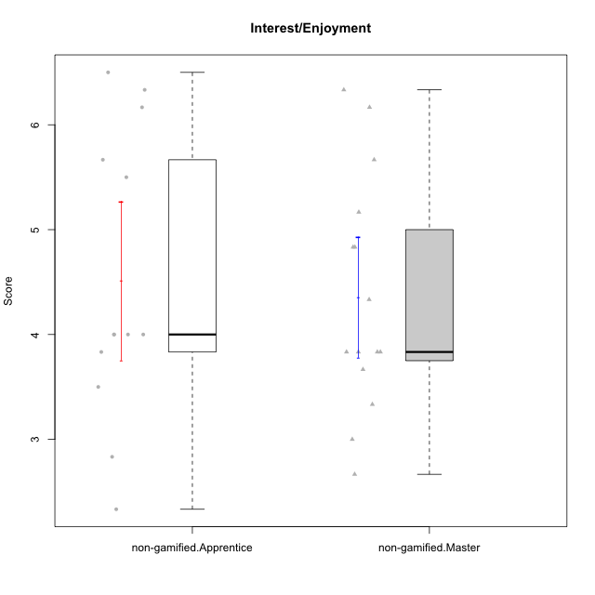

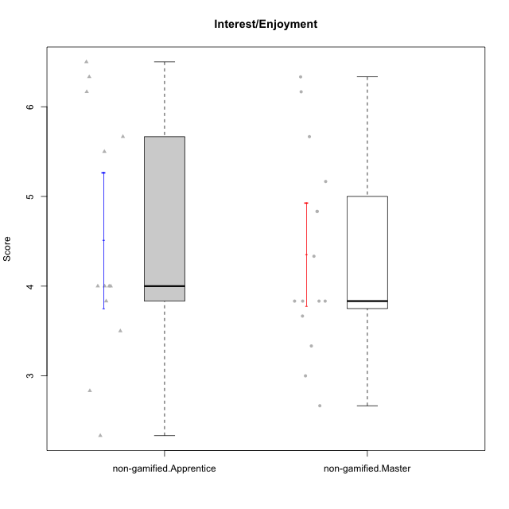

Student's t-Test data
UserID | NroUSP | Type | CLGroup | CLRole | PlayerRole | Item01IE | Item09IE | Item12IE | Item21IE | Item22IE | Item24IE | Item02PC | Item05PC | Item06PC | Item08PC | Item15PC | Item17PC | Item20PC | Item23PC | Item11PT | Item14PT | Item16PT | Item18PT | Interest/Enjoyment | Perceived Choice | Pressure/Tension | Intrinsic Motivation
10171 | 698531 | non-gamified | Grupo Team 6 | Apprentice |  | 6 | 6 | 6 | 5 | 5 | 6 | 2 | 7 | 2 | 1 | 3 | 2 | 1 | 2 | 6 | 1 | 1 | 1 | 5.6666666667 | 5.75 | 1.25 | 5.9444444444
10172 | 10273971 | non-gamified | Grupo Team 1 | Master |  | 6 | 6 | 5 | 5 | 5 | 4 | 4 | 3 | 2 | 3 | 2 | 2 | 3 | 5 | 7 | 1 | 1 | 1 | 5.1666666667 | 5 | 1 | 5.5
10179 | 10310759 | non-gamified | Grupo Team 9 | Master |  | 4 | 4 | 3 | 4 | 4 | 4 | 6 | 3 | 5 | 4 | 5 | 4 | 3 | 3 | 6 | 2 | 2 | 2 | 3.8333333333 | 3.375 | 2 | 4.1111111111
10181 | 10276866 | non-gamified | Grupo Team 10 | Master |  | 5 | 5 | 5 | 5 | 4 | 2 | 2 | 2 | 1 | 3 | 2 | 2 | 2 | 4 | 7 | 1 | 1 | 1 | 4.3333333333 | 5.25 | 1 | 5.3333333333
10185 | 10276960 | non-gamified | Grupo Team 12 | Apprentice |  | 4 | 4 | 4 | 4 | 4 | 4 | 4 | 3 | 3 | 3 | 4 | 4 | 3 | 4 | 6 | 2 | 2 | 3 | 4 | 4.25 | 2.25 | 4.5
10188 | 10276995 | non-gamified | Grupo Team 3 | Master |  | 4 | 4 | 4 | 3 | 4 | 4 | 3 | 3 | 3 | 3 | 3 | 3 | 4 | 4 | 6 | 2 | 1 | 1 | 3.8333333333 | 4.5 | 1.5 | 4.7222222222
10191 | 10276981 | non-gamified | Grupo Team 6 | Master |  | 4 | 6 | 6 | 6 | 5 | 7 | 2 | 6 | 2 | 3 | 6 | 1 | 1 | 4 | 7 | 1 | 2 | 1 | 5.6666666667 | 5.375 | 1.25 | 5.7777777778
10192 | 10276682 | non-gamified | Grupo Team 5 | Apprentice |  | 4 | 7 | 7 | 6 | 6 | 7 | 2 | 7 | 7 | 1 | 7 | 1 | 6 | 4 | 7 | 1 | 1 | 1 | 6.1666666667 | 4.375 | 1 | 5.5555555556
10202 | 10277036 | non-gamified | Grupo Team 11 | Apprentice |  | 4 | 4 | 4 | 4 | 4 | 4 | 7 | 4 | 4 | 5 | 4 | 4 | 4 | 3 | 1 | 7 | 7 | 7 | 4 | 3.375 | 7 | 3.0555555556
10203 | 9921470 | non-gamified | Grupo Team 3 | Apprentice |  | 7 | 7 | 7 | 1 | 1 | 1 | 1 | 7 | 1 | 1 | 1 | 1 | 1 | 1 | 7 | 1 | 2 | 1 | 4 | 6.25 | 1.25 | 5.6111111111
10208 | 10276932 | non-gamified | Grupo Team 7 | Apprentice |  | 6 | 6 | 7 | 7 | 6 | 6 | 4 | 7 | 4 | 1 | 2 | 1 | 2 | 5 | 7 | 1 | 4 | 1 | 6.3333333333 | 5.75 | 1.75 | 6.0555555556
10210 | 10277015 | non-gamified | Grupo Team 9 | Apprentice |  | 4 | 5 | 4 | 2 | 2 | 4 | 6 | 3 | 5 | 5 | 6 | 4 | 5 | 2 | 4 | 4 | 4 | 6 | 3.5 | 2.75 | 4.5 | 3.1666666667
10211 | 9311643 | non-gamified | Grupo Team 2 | Master |  | 7 | 7 | 5 | 6 | 6 | 6 | 7 | 3 | 6 | 3 | 6 | 3 | 2 | 5 | 7 | 2 | 2 | 3 | 6.1666666667 | 3.625 | 2 | 5
10212 | 9065750 | non-gamified | Grupo Team 4 | Master |  | 5 | 6 | 6 | 7 | 7 | 7 | 3 | 7 | 3 | 1 | 1 | 2 | 1 | 4 | 6 | 2 | 4 | 2 | 6.3333333333 | 6 | 2.5 | 6
10214 | 10277022 | non-gamified | Grupo Team 5 | Master |  | 4 | 4 | 3 | 3 | 3 | 1 | 4 | 4 | 4 | 4 | 5 | 4 | 4 | 2 | 4 | 1 | 1 | 2 | 3 | 3.625 | 2 | 3.9444444444
10216 | 10276720 | non-gamified | Grupo Team 15 | Master |  | 4 | 7 | 5 | 5 | 7 | 1 | 1 | 7 | 1 | 1 | 4 | 1 | 3 | 7 | 7 | 2 | 1 | 1 | 4.8333333333 | 6.375 | 1.25 | 5.9444444444
10217 | 9805341 | non-gamified | Grupo Team 13 | Master |  | 3 | 5 | 4 | 5 | 4 | 2 | 2 | 4 | 1 | 1 | 1 | 1 | 2 | 4 | 7 | 1 | 1 | 1 | 3.8333333333 | 6 | 1 | 5.5
10219 | 10276831 | non-gamified | Grupo Team 12 | Master |  | 4 | 4 | 4 | 3 | 4 | 3 | 2 | 1 | 4 | 3 | 4 | 4 | 3 | 1 | 7 | 1 | 1 | 1 | 3.6666666667 | 3.75 | 1 | 4.4444444444
10220 | 9760151 | non-gamified | Grupo Team 2 | Apprentice |  | 4 | 7 | 4 | 4 | 7 | 7 | 1 | 7 | 4 | 1 | 1 | 1 | 1 | 7 | 7 | 1 | 1 | 1 | 5.5 | 6.625 | 1 | 6.3333333333
10224 | 9368772 | non-gamified | Grupo Team 10 | Apprentice |  | 6 | 7 | 7 | 7 | 6 | 6 | 4 | 7 | 4 | 7 | 7 | 7 | 3 | 2 | 7 | 1 | 1 | 3 | 6.5 | 3.125 | 1.5 | 5
10226 | 10310342 | non-gamified | Grupo Team 8 | Master |  | 2 | 4 | 4 | 4 | 4 | 5 | 6 | 2 | 4 | 5 | 6 | 4 | 2 | 1 | 7 | 1 | 1 | 3 | 3.8333333333 | 3 | 1.5 | 4.0555555556
10227 | 9274382 | non-gamified | Grupo Team 4 | Apprentice |  | 1 | 2 | 3 | 3 | 6 | 2 | 3 | 6 | 4 | 3 | 5 | 4 | 2 | 3 | 3 | 4 | 4 | 4 | 2.8333333333 | 4.5 | 4.25 | 3.7777777778
10228 | 10310492 | non-gamified | Grupo Team 14 | Apprentice |  | 4 | 4 | 5 | 4 | 4 | 3 | 5 | 4 | 3 | 2 | 3 | 3 | 3 | 3 | 6 | 1 | 2 | 4 | 4 | 4.5 | 2.25 | 4.6111111111
10230 | 10351992 | non-gamified | Grupo Team 14 | Master |  | 1 | 4 | 1 | 6 | 1 | 3 | 2 | 5 | 1 | 5 | 4 | 1 | 5 | 4 | 1 | 1 | 4 | 1 | 2.6666666667 | 4.875 | 3.25 | 4.1111111111
10233 | 9805320 | non-gamified | Grupo Team 16 | Apprentice |  | 2 | 4 | 2 | 1 | 2 | 3 | 7 | 6 | 3 | 3 | 6 | 3 | 5 | 3 | 7 | 1 | 1 | 2 | 2.3333333333 | 3.75 | 1.25 | 3.9444444444
10234 | 10310676 | non-gamified | Grupo Team 7 | Master |  | 2 | 3 | 2 | 6 | 5 | 2 | 2 | 2 | 5 | 4 | 6 | 4 | 3 | 4 | 7 | 2 | 1 | 1 | 3.3333333333 | 3.75 | 1.25 | 4.2777777778
10237 | 10377688 | non-gamified | Grupo Team 11 | Master |  | 6 | 5 | 4 | 6 | 5 | 3 | 3 | 7 | 5 | 2 | 2 | 1 | 2 | 4 | 7 | 1 | 1 | 1 | 4.8333333333 | 5.5 | 1 | 5.6111111111
10238 | 10276953 | non-gamified | Grupo Team 13 | Apprentice |  | 4 | 3 | 4 | 4 | 4 | 4 | 4 | 3 | 5 | 4 | 7 | 5 | 2 | 3 | 4 | 4 | 4 | 5 | 3.8333333333 | 3.375 | 4.25 | 3.6111111111

Type_CLRole_2
Student's t-Test for Interest/Enjoyment in Type:CLRole between non-gamified.Apprentice:ont-gamified.Apprentice

Student's t-Test results
Alternative hypothesis: less
Group | N | Mean | Mean.Difference | Std.deviation | Std.error | CI.lower | CI.upper | df | t.value | p.value | g | magnitude
non-gamified.Apprentice | 13 | 4.5128205128 | -0.038461538462 | 1.3667031473 | 0.379055252 | 3.7547100088 | 5.2709310168 | 19.775031438 | -0.086759330845 | 0.46586765456 | -0.032955183748 | negligible
ont-gamified.Apprentice | 13 | 4.5512820513 | 0.038461538462 | 0.82883400749 | 0.2298771933 | 4.0915276647 | 5.0110364379 | 19.775031438 | -0.086759330845 | 0.46586765456 | -0.032955183748 | negligible
Alternative hypothesis: greater
Group | N | Mean | Mean.Difference | Std.deviation | Std.error | CI.lower | CI.upper | df | t.value | p.value | g | magnitude
non-gamified.Apprentice | 13 | 4.5128205128 | -0.038461538462 | 1.3667031473 | 0.379055252 | 3.7547100088 | 5.2709310168 | 19.775031438 | -0.086759330845 | 0.53413234544 | -0.032955183748 | negligible
ont-gamified.Apprentice | 13 | 4.5512820513 | 0.038461538462 | 0.82883400749 | 0.2298771933 | 4.0915276647 | 5.0110364379 | 19.775031438 | -0.086759330845 | 0.53413234544 | -0.032955183748 | negligible
Alternative hypothesis: two.sided
Group | N | Mean | Mean.Difference | Std.deviation | Std.error | CI.lower | CI.upper | df | t.value | p.value | g | magnitude
non-gamified.Apprentice | 13 | 4.5128205128 | -0.038461538462 | 1.3667031473 | 0.379055252 | 3.7547100088 | 5.2709310168 | 19.775031438 | -0.086759330845 | 0.93173530912 | -0.032955183748 | negligible
ont-gamified.Apprentice | 13 | 4.5512820513 | 0.038461538462 | 0.82883400749 | 0.2298771933 | 4.0915276647 | 5.0110364379 | 19.775031438 | -0.086759330845 | 0.93173530912 | -0.032955183748 | negligible

Box plots for Student's t-Test
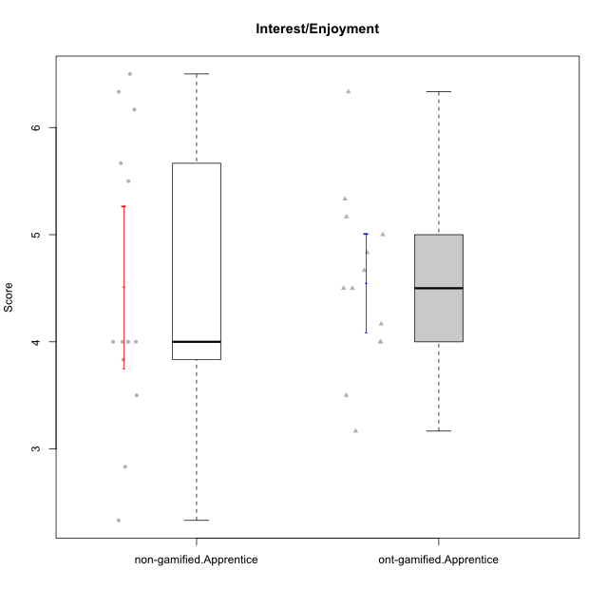

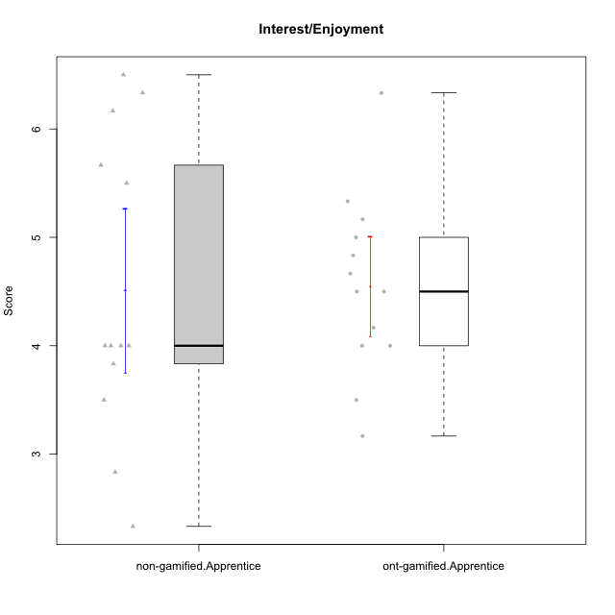

Student's t-Test data
UserID | NroUSP | Type | CLGroup | CLRole | PlayerRole | Item01IE | Item09IE | Item12IE | Item21IE | Item22IE | Item24IE | Item02PC | Item05PC | Item06PC | Item08PC | Item15PC | Item17PC | Item20PC | Item23PC | Item11PT | Item14PT | Item16PT | Item18PT | Interest/Enjoyment | Perceived Choice | Pressure/Tension | Intrinsic Motivation
10170 | 10260351 | ont-gamified | Grupo Afrodite | Apprentice | Yee Achiever | 5 | 5 | 5 | 6 | 6 | 4 | 2 | 7 | 1 | 2 | 2 | 1 | 2 | 7 | 7 | 1 | 1 | 1 | 5.1666666667 | 6.5 | 1 | 6.1666666667
10171 | 698531 | non-gamified | Grupo Team 6 | Apprentice |  | 6 | 6 | 6 | 5 | 5 | 6 | 2 | 7 | 2 | 1 | 3 | 2 | 1 | 2 | 6 | 1 | 1 | 1 | 5.6666666667 | 5.75 | 1.25 | 5.9444444444
10176 | 10276949 | ont-gamified | Grupo Cronus | Apprentice | Yee Achiever | 5 | 5 | 4 | 4 | 4 | 3 | 5 | 6 | 1 | 1 | 2 | 2 | 2 | 2 | 4 | 2 | 3 | 2 | 4.1666666667 | 5.375 | 2.75 | 4.9444444444
10178 | 8656201 | ont-gamified | Grupo Morfeu | Apprentice | Yee Socializer | 5 | 5 | 5 | 5 | 5 | 5 | 4 | 5 | 2 | 1 | 3 | 1 | 3 | 5 | 5 | 1 | 4 | 1 | 5 | 5.5 | 2.25 | 5.3888888889
10183 | 10352030 | ont-gamified | Grupo Hélio | Apprentice | Yee Socializer | 5 | 4 | 4 | 4 | 4 | 3 | 3 | 5 | 2 | 4 | 2 | 2 | 2 | 4 | 5 | 2 | 3 | 3 | 4 | 5.25 | 2.75 | 4.8333333333
10185 | 10276960 | non-gamified | Grupo Team 12 | Apprentice |  | 4 | 4 | 4 | 4 | 4 | 4 | 4 | 3 | 3 | 3 | 4 | 4 | 3 | 4 | 6 | 2 | 2 | 3 | 4 | 4.25 | 2.25 | 4.5
10186 | 10310551 | ont-gamified | Grupo Ares | Apprentice | Yee Achiever | 3 | 6 | 4 | 4 | 5 | 6 | 2 | 4 | 4 | 1 | 1 | 1 | 1 | 5 | 4 | 1 | 4 | 3 | 4.6666666667 | 5.875 | 3 | 5.2777777778
10190 | 10276907 | ont-gamified | Grupo Zeus | Apprentice | Yee Socializer | 4 | 5 | 5 | 4 | 4 | 5 | 4 | 7 | 1 | 3 | 1 | 2 | 3 | 4 | 6 | 1 | 2 | 2 | 4.5 | 5.625 | 1.75 | 5.3888888889
10192 | 10276682 | non-gamified | Grupo Team 5 | Apprentice |  | 4 | 7 | 7 | 6 | 6 | 7 | 2 | 7 | 7 | 1 | 7 | 1 | 6 | 4 | 7 | 1 | 1 | 1 | 6.1666666667 | 4.375 | 1 | 5.5555555556
10195 | 10351971 | ont-gamified | Grupo Urano | Apprentice | Yee Achiever | 5 | 6 | 5 | 6 | 5 | 5 | 4 | 4 | 4 | 1 | 4 | 4 | 2 | 4 | 7 | 1 | 1 | 1 | 5.3333333333 | 4.625 | 1 | 5.3888888889
10196 | 10310655 | ont-gamified | Grupo Hefesto | Apprentice | Yee Achiever | 4 | 4 | 4 | 4 | 4 | 4 | 6 | 2 | 1 | 4 | 7 | 1 | 4 | 4 | 7 | 1 | 1 | 1 | 4 | 3.875 | 1 | 4.6111111111
10197 | 10276661 | ont-gamified | Grupo Gaia | Apprentice | Yee Achiever | 4 | 6 | 4 | 6 | 4 | 5 | 1 | 7 | 2 | 1 | 1 | 1 | 1 | 6 | 7 | 1 | 1 | 1 | 4.8333333333 | 6.75 | 1 | 6.1666666667
10200 | 9795272 | ont-gamified | Grupo Hades | Apprentice | Yee Socializer | 6 | 6 | 7 | 6 | 6 | 7 | 2 | 5 | 2 | 3 | 4 | 2 | 2 | 4 | 7 | 1 | 1 | 1 | 6.3333333333 | 5.25 | 1 | 6
10202 | 10277036 | non-gamified | Grupo Team 11 | Apprentice |  | 4 | 4 | 4 | 4 | 4 | 4 | 7 | 4 | 4 | 5 | 4 | 4 | 4 | 3 | 1 | 7 | 7 | 7 | 4 | 3.375 | 7 | 3.0555555556
10203 | 9921470 | non-gamified | Grupo Team 3 | Apprentice |  | 7 | 7 | 7 | 1 | 1 | 1 | 1 | 7 | 1 | 1 | 1 | 1 | 1 | 1 | 7 | 1 | 2 | 1 | 4 | 6.25 | 1.25 | 5.6111111111
10208 | 10276932 | non-gamified | Grupo Team 7 | Apprentice |  | 6 | 6 | 7 | 7 | 6 | 6 | 4 | 7 | 4 | 1 | 2 | 1 | 2 | 5 | 7 | 1 | 4 | 1 | 6.3333333333 | 5.75 | 1.75 | 6.0555555556
10209 | 10262669 | ont-gamified | Grupo Artemis | Apprentice | Yee Achiever | 4 | 3 | 3 | 3 | 2 | 4 | 7 | 4 | 7 | 7 | 7 | 7 | 5 | 1 | 7 | 1 | 1 | 1 | 3.1666666667 | 1.625 | 1 | 3.3333333333
10210 | 10277015 | non-gamified | Grupo Team 9 | Apprentice |  | 4 | 5 | 4 | 2 | 2 | 4 | 6 | 3 | 5 | 5 | 6 | 4 | 5 | 2 | 4 | 4 | 4 | 6 | 3.5 | 2.75 | 4.5 | 3.1666666667
10220 | 9760151 | non-gamified | Grupo Team 2 | Apprentice |  | 4 | 7 | 4 | 4 | 7 | 7 | 1 | 7 | 4 | 1 | 1 | 1 | 1 | 7 | 7 | 1 | 1 | 1 | 5.5 | 6.625 | 1 | 6.3333333333
10221 | 9082496 | ont-gamified | Grupo Hermes | Apprentice | Yee Achiever | 4 | 5 | 4 | 5 | 5 | 4 | 3 | 6 | 4 | 1 | 4 | 1 | 4 | 1 | 7 | 1 | 1 | 1 | 4.5 | 4.75 | 1 | 5.1666666667
10224 | 9368772 | non-gamified | Grupo Team 10 | Apprentice |  | 6 | 7 | 7 | 7 | 6 | 6 | 4 | 7 | 4 | 7 | 7 | 7 | 3 | 2 | 7 | 1 | 1 | 3 | 6.5 | 3.125 | 1.5 | 5
10227 | 9274382 | non-gamified | Grupo Team 4 | Apprentice |  | 1 | 2 | 3 | 3 | 6 | 2 | 3 | 6 | 4 | 3 | 5 | 4 | 2 | 3 | 3 | 4 | 4 | 4 | 2.8333333333 | 4.5 | 4.25 | 3.7777777778
10228 | 10310492 | non-gamified | Grupo Team 14 | Apprentice |  | 4 | 4 | 5 | 4 | 4 | 3 | 5 | 4 | 3 | 2 | 3 | 3 | 3 | 3 | 6 | 1 | 2 | 4 | 4 | 4.5 | 2.25 | 4.6111111111
10233 | 9805320 | non-gamified | Grupo Team 16 | Apprentice |  | 2 | 4 | 2 | 1 | 2 | 3 | 7 | 6 | 3 | 3 | 6 | 3 | 5 | 3 | 7 | 1 | 1 | 2 | 2.3333333333 | 3.75 | 1.25 | 3.9444444444
10238 | 10276953 | non-gamified | Grupo Team 13 | Apprentice |  | 4 | 3 | 4 | 4 | 4 | 4 | 4 | 3 | 5 | 4 | 7 | 5 | 2 | 3 | 4 | 4 | 4 | 5 | 3.8333333333 | 3.375 | 4.25 | 3.6111111111
10240 | 10276654 | ont-gamified | Grupo Hera | Apprentice | Yee Achiever | 4 | 3 | 4 | 2 | 4 | 4 | 6 | 6 | 7 | 5 | 7 | 7 | 7 | 4 | 7 | 1 | 1 | 1 | 3.5 | 2.375 | 1 | 3.7777777778

Type_CLRole_3
Student's t-Test for Interest/Enjoyment in Type:CLRole between non-gamified.Apprentice:ont-gamified.Master

Student's t-Test results
Alternative hypothesis: less
Group | N | Mean | Mean.Difference | Std.deviation | Std.error | CI.lower | CI.upper | df | t.value | p.value | g | magnitude
non-gamified.Apprentice | 13 | 4.5128205128 | -0.6094017094 | 1.3667031473 | 0.379055252 | 3.7547100088 | 5.2709310168 | 21.414059548 | -1.3376076565 | 0.097529224063 | -0.50400365345 | medium
ont-gamified.Master | 15 | 5.1222222222 | 0.6094017094 | 0.978877448 | 0.25274507027 | 4.6167320817 | 5.6277123628 | 21.414059548 | -1.3376076565 | 0.097529224063 | -0.50400365345 | medium
Alternative hypothesis: greater
Group | N | Mean | Mean.Difference | Std.deviation | Std.error | CI.lower | CI.upper | df | t.value | p.value | g | magnitude
non-gamified.Apprentice | 13 | 4.5128205128 | -0.6094017094 | 1.3667031473 | 0.379055252 | 3.7547100088 | 5.2709310168 | 21.414059548 | -1.3376076565 | 0.90247077594 | -0.50400365345 | medium
ont-gamified.Master | 15 | 5.1222222222 | 0.6094017094 | 0.978877448 | 0.25274507027 | 4.6167320817 | 5.6277123628 | 21.414059548 | -1.3376076565 | 0.90247077594 | -0.50400365345 | medium
Alternative hypothesis: two.sided
Group | N | Mean | Mean.Difference | Std.deviation | Std.error | CI.lower | CI.upper | df | t.value | p.value | g | magnitude
non-gamified.Apprentice | 13 | 4.5128205128 | -0.6094017094 | 1.3667031473 | 0.379055252 | 3.7547100088 | 5.2709310168 | 21.414059548 | -1.3376076565 | 0.19505844813 | -0.50400365345 | medium
ont-gamified.Master | 15 | 5.1222222222 | 0.6094017094 | 0.978877448 | 0.25274507027 | 4.6167320817 | 5.6277123628 | 21.414059548 | -1.3376076565 | 0.19505844813 | -0.50400365345 | medium

Box plots for Student's t-Test
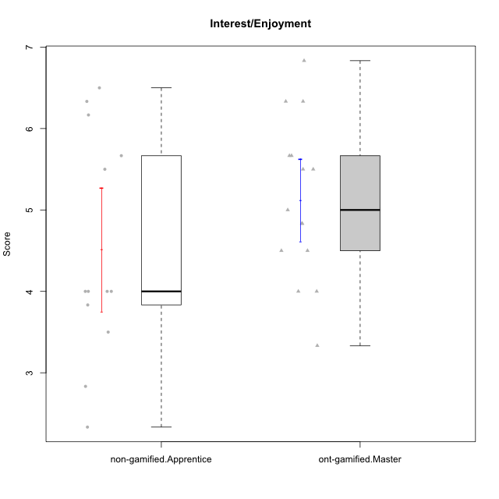

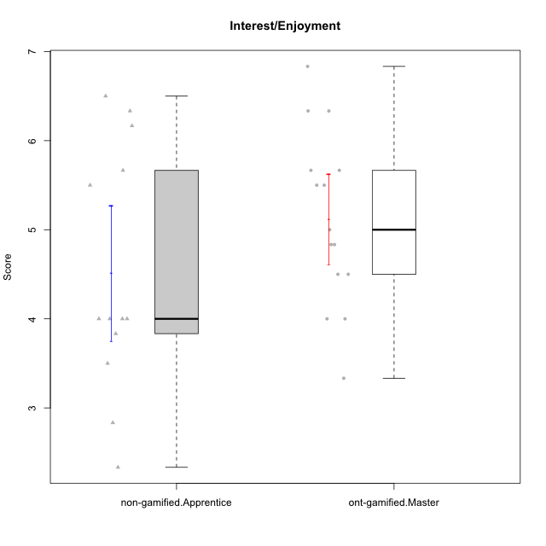

Student's t-Test data
UserID | NroUSP | Type | CLGroup | CLRole | PlayerRole | Item01IE | Item09IE | Item12IE | Item21IE | Item22IE | Item24IE | Item02PC | Item05PC | Item06PC | Item08PC | Item15PC | Item17PC | Item20PC | Item23PC | Item11PT | Item14PT | Item16PT | Item18PT | Interest/Enjoyment | Perceived Choice | Pressure/Tension | Intrinsic Motivation
10169 | 10377538 | ont-gamified | Grupo Hefesto | Master | Yee Achiever | 4 | 6 | 6 | 6 | 6 | 6 | 4 | 6 | 6 | 2 | 2 | 2 | 2 | 6 | 7 | 1 | 4 | 2 | 5.6666666667 | 5.25 | 2 | 5.5555555556
10171 | 698531 | non-gamified | Grupo Team 6 | Apprentice |  | 6 | 6 | 6 | 5 | 5 | 6 | 2 | 7 | 2 | 1 | 3 | 2 | 1 | 2 | 6 | 1 | 1 | 1 | 5.6666666667 | 5.75 | 1.25 | 5.9444444444
10174 | 10276852 | ont-gamified | Grupo Urano | Master | Yee Achiever | 4 | 5 | 4 | 4 | 6 | 6 | 4 | 4 | 4 | 3 | 4 | 3 | 3 | 4 | 6 | 1 | 1 | 1 | 4.8333333333 | 4.375 | 1.25 | 5.0555555556
10175 | 10310700 | ont-gamified | Grupo Hélio | Master | Yee Socializer | 6 | 6 | 6 | 5 | 5 | 6 | 1 | 7 | 1 | 1 | 1 | 1 | 1 | 6 | 7 | 1 | 1 | 1 | 5.6666666667 | 6.875 | 1 | 6.5
10184 | 10276675 | ont-gamified | Grupo Apolo | Master | Yee Socializer | 5 | 5 | 5 | 4 | 4 | 4 | 5 | 7 | 1 | 1 | 4 | 1 | 2 | 4 | 4 | 1 | 3 | 1 | 4.5 | 5.625 | 2.25 | 5.2777777778
10185 | 10276960 | non-gamified | Grupo Team 12 | Apprentice |  | 4 | 4 | 4 | 4 | 4 | 4 | 4 | 3 | 3 | 3 | 4 | 4 | 3 | 4 | 6 | 2 | 2 | 3 | 4 | 4.25 | 2.25 | 4.5
10189 | 9363926 | ont-gamified | Grupo Hades | Master | Yee Socializer | 2 | 4 | 3 | 6 | 4 | 5 | 4 | 5 | 2 | 1 | 5 | 2 | 1 | 2 | 5 | 4 | 5 | 2 | 4 | 5 | 3.5 | 4.5555555556
10192 | 10276682 | non-gamified | Grupo Team 5 | Apprentice |  | 4 | 7 | 7 | 6 | 6 | 7 | 2 | 7 | 7 | 1 | 7 | 1 | 6 | 4 | 7 | 1 | 1 | 1 | 6.1666666667 | 4.375 | 1 | 5.5555555556
10193 | 10276762 | ont-gamified | Grupo Afrodite | Master | Yee Achiever | 4 | 5 | 5 | 5 | 6 | 4 | 2 | 4 | 5 | 3 | 5 | 3 | 2 | 5 | 6 | 1 | 1 | 1 | 4.8333333333 | 4.625 | 1.25 | 5.1666666667
10199 | 10276737 | ont-gamified | Grupo Gaia | Master | Yee Achiever | 4 | 4 | 4 | 4 | 7 | 1 | 1 | 7 | 1 | 1 | 1 | 1 | 1 | 7 | 2 | 3 | 1 | 1 | 4 | 7 | 2.75 | 5.6111111111
10201 | 10276928 | ont-gamified | Grupo Caronte | Master | Yee Achiever | 5 | 7 | 7 | 7 | 7 | 5 | 2 | 7 | 3 | 2 | 2 | 2 | 1 | 3 | 6 | 3 | 2 | 1 | 6.3333333333 | 5.75 | 2 | 6
10202 | 10277036 | non-gamified | Grupo Team 11 | Apprentice |  | 4 | 4 | 4 | 4 | 4 | 4 | 7 | 4 | 4 | 5 | 4 | 4 | 4 | 3 | 1 | 7 | 7 | 7 | 4 | 3.375 | 7 | 3.0555555556
10203 | 9921470 | non-gamified | Grupo Team 3 | Apprentice |  | 7 | 7 | 7 | 1 | 1 | 1 | 1 | 7 | 1 | 1 | 1 | 1 | 1 | 1 | 7 | 1 | 2 | 1 | 4 | 6.25 | 1.25 | 5.6111111111
10204 | 10310471 | ont-gamified | Grupo Hermes | Master | Yee Achiever | 6 | 7 | 7 | 7 | 7 | 7 | 2 | 7 | 4 | 1 | 1 | 1 | 1 | 7 | 7 | 1 | 1 | 1 | 6.8333333333 | 6.5 | 1 | 6.7222222222
10206 | 10310721 | ont-gamified | Grupo Hera | Master | Yee Achiever | 4 | 6 | 4 | 5 | 5 | 3 | 1 | 7 | 1 | 2 | 2 | 1 | 2 | 6 | 2 | 3 | 3 | 2 | 4.5 | 6.5 | 3.5 | 5.3888888889
10208 | 10276932 | non-gamified | Grupo Team 7 | Apprentice |  | 6 | 6 | 7 | 7 | 6 | 6 | 4 | 7 | 4 | 1 | 2 | 1 | 2 | 5 | 7 | 1 | 4 | 1 | 6.3333333333 | 5.75 | 1.75 | 6.0555555556
10210 | 10277015 | non-gamified | Grupo Team 9 | Apprentice |  | 4 | 5 | 4 | 2 | 2 | 4 | 6 | 3 | 5 | 5 | 6 | 4 | 5 | 2 | 4 | 4 | 4 | 6 | 3.5 | 2.75 | 4.5 | 3.1666666667
10213 | 10277040 | ont-gamified | Grupo Morfeu | Master | Yee Socializer | 7 | 6 | 5 | 4 | 4 | 7 | 4 | 4 | 1 | 4 | 7 | 1 | 2 | 2 | 7 | 1 | 1 | 1 | 5.5 | 4.375 | 1 | 5.3333333333
10215 | 9285227 | ont-gamified | Grupo Zeus | Master | Yee Socializer | 4 | 7 | 4 | 6 | 5 | 4 | 1 | 6 | 1 | 1 | 1 | 1 | 1 | 4 | 7 | 1 | 1 | 1 | 5 | 6.5 | 1 | 6.1111111111
10218 | 9842913 | ont-gamified | Grupo Ares | Master | Yee Achiever | 4 | 3 | 3 | 4 | 4 | 2 | 2 | 5 | 4 | 1 | 3 | 3 | 2 | 3 | 3 | 3 | 4 | 2 | 3.3333333333 | 5.125 | 3.5 | 4.3888888889
10220 | 9760151 | non-gamified | Grupo Team 2 | Apprentice |  | 4 | 7 | 4 | 4 | 7 | 7 | 1 | 7 | 4 | 1 | 1 | 1 | 1 | 7 | 7 | 1 | 1 | 1 | 5.5 | 6.625 | 1 | 6.3333333333
10223 | 9795185 | ont-gamified | Grupo Cronus | Master | Yee Achiever | 6 | 6 | 6 | 7 | 7 | 6 | 2 | 6 | 2 | 1 | 2 | 1 | 3 | 6 | 7 | 1 | 2 | 1 | 6.3333333333 | 6.125 | 1.25 | 6.3333333333
10224 | 9368772 | non-gamified | Grupo Team 10 | Apprentice |  | 6 | 7 | 7 | 7 | 6 | 6 | 4 | 7 | 4 | 7 | 7 | 7 | 3 | 2 | 7 | 1 | 1 | 3 | 6.5 | 3.125 | 1.5 | 5
10227 | 9274382 | non-gamified | Grupo Team 4 | Apprentice |  | 1 | 2 | 3 | 3 | 6 | 2 | 3 | 6 | 4 | 3 | 5 | 4 | 2 | 3 | 3 | 4 | 4 | 4 | 2.8333333333 | 4.5 | 4.25 | 3.7777777778
10228 | 10310492 | non-gamified | Grupo Team 14 | Apprentice |  | 4 | 4 | 5 | 4 | 4 | 3 | 5 | 4 | 3 | 2 | 3 | 3 | 3 | 3 | 6 | 1 | 2 | 4 | 4 | 4.5 | 2.25 | 4.6111111111
10232 | 10276974 | ont-gamified | Grupo Artemis | Master | Yee Achiever | 6 | 4 | 5 | 6 | 5 | 7 | 2 | 5 | 4 | 2 | 4 | 2 | 1 | 4 | 1 | 1 | 2 | 2 | 5.5 | 5.25 | 3 | 5.2777777778
10233 | 9805320 | non-gamified | Grupo Team 16 | Apprentice |  | 2 | 4 | 2 | 1 | 2 | 3 | 7 | 6 | 3 | 3 | 6 | 3 | 5 | 3 | 7 | 1 | 1 | 2 | 2.3333333333 | 3.75 | 1.25 | 3.9444444444
10238 | 10276953 | non-gamified | Grupo Team 13 | Apprentice |  | 4 | 3 | 4 | 4 | 4 | 4 | 4 | 3 | 5 | 4 | 7 | 5 | 2 | 3 | 4 | 4 | 4 | 5 | 3.8333333333 | 3.375 | 4.25 | 3.6111111111

Type_CLRole_4
Student's t-Test for Interest/Enjoyment in Type:CLRole between non-gamified.Master:ont-gamified.Apprentice

Student's t-Test results
Alternative hypothesis: less
Group | N | Mean | Mean.Difference | Std.deviation | Std.error | CI.lower | CI.upper | df | t.value | p.value | g | magnitude
non-gamified.Master | 15 | 4.3555555556 | -0.19572649573 | 1.1124594993 | 0.28723580761 | 3.7810839403 | 4.9300271708 | 25.481512217 | -0.53201491326 | 0.29966203801 | -0.1916186689 | negligible
ont-gamified.Apprentice | 13 | 4.5512820513 | 0.19572649573 | 0.82883400749 | 0.2298771933 | 4.0915276647 | 5.0110364379 | 25.481512217 | -0.53201491326 | 0.29966203801 | -0.1916186689 | negligible
Alternative hypothesis: greater
Group | N | Mean | Mean.Difference | Std.deviation | Std.error | CI.lower | CI.upper | df | t.value | p.value | g | magnitude
non-gamified.Master | 15 | 4.3555555556 | -0.19572649573 | 1.1124594993 | 0.28723580761 | 3.7810839403 | 4.9300271708 | 25.481512217 | -0.53201491326 | 0.70033796199 | -0.1916186689 | negligible
ont-gamified.Apprentice | 13 | 4.5512820513 | 0.19572649573 | 0.82883400749 | 0.2298771933 | 4.0915276647 | 5.0110364379 | 25.481512217 | -0.53201491326 | 0.70033796199 | -0.1916186689 | negligible
Alternative hypothesis: two.sided
Group | N | Mean | Mean.Difference | Std.deviation | Std.error | CI.lower | CI.upper | df | t.value | p.value | g | magnitude
non-gamified.Master | 15 | 4.3555555556 | -0.19572649573 | 1.1124594993 | 0.28723580761 | 3.7810839403 | 4.9300271708 | 25.481512217 | -0.53201491326 | 0.59932407601 | -0.1916186689 | negligible
ont-gamified.Apprentice | 13 | 4.5512820513 | 0.19572649573 | 0.82883400749 | 0.2298771933 | 4.0915276647 | 5.0110364379 | 25.481512217 | -0.53201491326 | 0.59932407601 | -0.1916186689 | negligible

Box plots for Student's t-Test
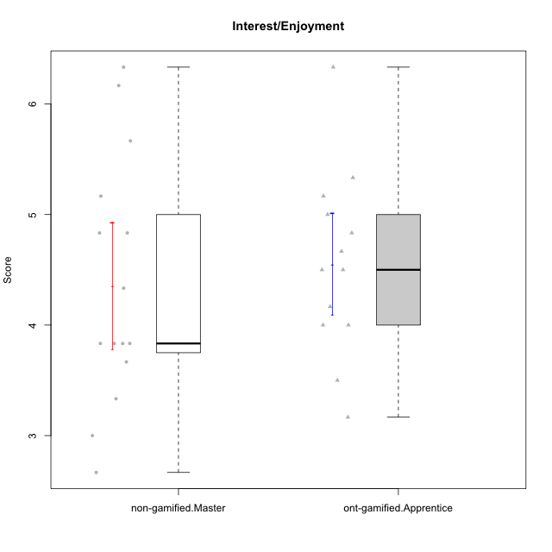

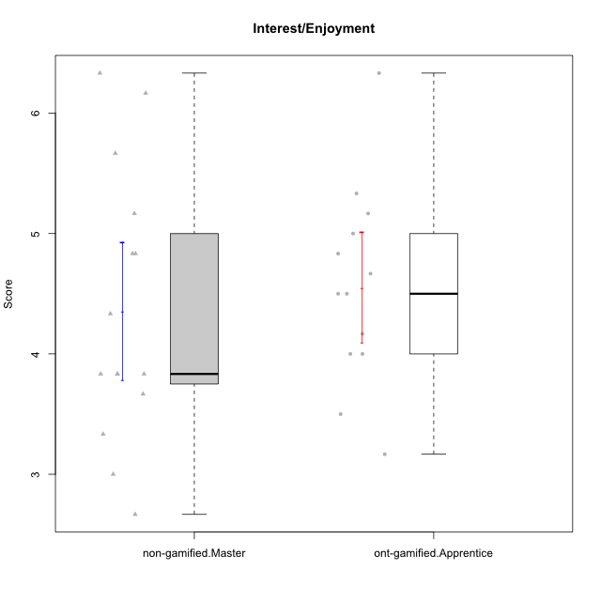

Student's t-Test data
UserID | NroUSP | Type | CLGroup | CLRole | PlayerRole | Item01IE | Item09IE | Item12IE | Item21IE | Item22IE | Item24IE | Item02PC | Item05PC | Item06PC | Item08PC | Item15PC | Item17PC | Item20PC | Item23PC | Item11PT | Item14PT | Item16PT | Item18PT | Interest/Enjoyment | Perceived Choice | Pressure/Tension | Intrinsic Motivation
10170 | 10260351 | ont-gamified | Grupo Afrodite | Apprentice | Yee Achiever | 5 | 5 | 5 | 6 | 6 | 4 | 2 | 7 | 1 | 2 | 2 | 1 | 2 | 7 | 7 | 1 | 1 | 1 | 5.1666666667 | 6.5 | 1 | 6.1666666667
10172 | 10273971 | non-gamified | Grupo Team 1 | Master |  | 6 | 6 | 5 | 5 | 5 | 4 | 4 | 3 | 2 | 3 | 2 | 2 | 3 | 5 | 7 | 1 | 1 | 1 | 5.1666666667 | 5 | 1 | 5.5
10176 | 10276949 | ont-gamified | Grupo Cronus | Apprentice | Yee Achiever | 5 | 5 | 4 | 4 | 4 | 3 | 5 | 6 | 1 | 1 | 2 | 2 | 2 | 2 | 4 | 2 | 3 | 2 | 4.1666666667 | 5.375 | 2.75 | 4.9444444444
10178 | 8656201 | ont-gamified | Grupo Morfeu | Apprentice | Yee Socializer | 5 | 5 | 5 | 5 | 5 | 5 | 4 | 5 | 2 | 1 | 3 | 1 | 3 | 5 | 5 | 1 | 4 | 1 | 5 | 5.5 | 2.25 | 5.3888888889
10179 | 10310759 | non-gamified | Grupo Team 9 | Master |  | 4 | 4 | 3 | 4 | 4 | 4 | 6 | 3 | 5 | 4 | 5 | 4 | 3 | 3 | 6 | 2 | 2 | 2 | 3.8333333333 | 3.375 | 2 | 4.1111111111
10181 | 10276866 | non-gamified | Grupo Team 10 | Master |  | 5 | 5 | 5 | 5 | 4 | 2 | 2 | 2 | 1 | 3 | 2 | 2 | 2 | 4 | 7 | 1 | 1 | 1 | 4.3333333333 | 5.25 | 1 | 5.3333333333
10183 | 10352030 | ont-gamified | Grupo Hélio | Apprentice | Yee Socializer | 5 | 4 | 4 | 4 | 4 | 3 | 3 | 5 | 2 | 4 | 2 | 2 | 2 | 4 | 5 | 2 | 3 | 3 | 4 | 5.25 | 2.75 | 4.8333333333
10186 | 10310551 | ont-gamified | Grupo Ares | Apprentice | Yee Achiever | 3 | 6 | 4 | 4 | 5 | 6 | 2 | 4 | 4 | 1 | 1 | 1 | 1 | 5 | 4 | 1 | 4 | 3 | 4.6666666667 | 5.875 | 3 | 5.2777777778
10188 | 10276995 | non-gamified | Grupo Team 3 | Master |  | 4 | 4 | 4 | 3 | 4 | 4 | 3 | 3 | 3 | 3 | 3 | 3 | 4 | 4 | 6 | 2 | 1 | 1 | 3.8333333333 | 4.5 | 1.5 | 4.7222222222
10190 | 10276907 | ont-gamified | Grupo Zeus | Apprentice | Yee Socializer | 4 | 5 | 5 | 4 | 4 | 5 | 4 | 7 | 1 | 3 | 1 | 2 | 3 | 4 | 6 | 1 | 2 | 2 | 4.5 | 5.625 | 1.75 | 5.3888888889
10191 | 10276981 | non-gamified | Grupo Team 6 | Master |  | 4 | 6 | 6 | 6 | 5 | 7 | 2 | 6 | 2 | 3 | 6 | 1 | 1 | 4 | 7 | 1 | 2 | 1 | 5.6666666667 | 5.375 | 1.25 | 5.7777777778
10195 | 10351971 | ont-gamified | Grupo Urano | Apprentice | Yee Achiever | 5 | 6 | 5 | 6 | 5 | 5 | 4 | 4 | 4 | 1 | 4 | 4 | 2 | 4 | 7 | 1 | 1 | 1 | 5.3333333333 | 4.625 | 1 | 5.3888888889
10196 | 10310655 | ont-gamified | Grupo Hefesto | Apprentice | Yee Achiever | 4 | 4 | 4 | 4 | 4 | 4 | 6 | 2 | 1 | 4 | 7 | 1 | 4 | 4 | 7 | 1 | 1 | 1 | 4 | 3.875 | 1 | 4.6111111111
10197 | 10276661 | ont-gamified | Grupo Gaia | Apprentice | Yee Achiever | 4 | 6 | 4 | 6 | 4 | 5 | 1 | 7 | 2 | 1 | 1 | 1 | 1 | 6 | 7 | 1 | 1 | 1 | 4.8333333333 | 6.75 | 1 | 6.1666666667
10200 | 9795272 | ont-gamified | Grupo Hades | Apprentice | Yee Socializer | 6 | 6 | 7 | 6 | 6 | 7 | 2 | 5 | 2 | 3 | 4 | 2 | 2 | 4 | 7 | 1 | 1 | 1 | 6.3333333333 | 5.25 | 1 | 6
10209 | 10262669 | ont-gamified | Grupo Artemis | Apprentice | Yee Achiever | 4 | 3 | 3 | 3 | 2 | 4 | 7 | 4 | 7 | 7 | 7 | 7 | 5 | 1 | 7 | 1 | 1 | 1 | 3.1666666667 | 1.625 | 1 | 3.3333333333
10211 | 9311643 | non-gamified | Grupo Team 2 | Master |  | 7 | 7 | 5 | 6 | 6 | 6 | 7 | 3 | 6 | 3 | 6 | 3 | 2 | 5 | 7 | 2 | 2 | 3 | 6.1666666667 | 3.625 | 2 | 5
10212 | 9065750 | non-gamified | Grupo Team 4 | Master |  | 5 | 6 | 6 | 7 | 7 | 7 | 3 | 7 | 3 | 1 | 1 | 2 | 1 | 4 | 6 | 2 | 4 | 2 | 6.3333333333 | 6 | 2.5 | 6
10214 | 10277022 | non-gamified | Grupo Team 5 | Master |  | 4 | 4 | 3 | 3 | 3 | 1 | 4 | 4 | 4 | 4 | 5 | 4 | 4 | 2 | 4 | 1 | 1 | 2 | 3 | 3.625 | 2 | 3.9444444444
10216 | 10276720 | non-gamified | Grupo Team 15 | Master |  | 4 | 7 | 5 | 5 | 7 | 1 | 1 | 7 | 1 | 1 | 4 | 1 | 3 | 7 | 7 | 2 | 1 | 1 | 4.8333333333 | 6.375 | 1.25 | 5.9444444444
10217 | 9805341 | non-gamified | Grupo Team 13 | Master |  | 3 | 5 | 4 | 5 | 4 | 2 | 2 | 4 | 1 | 1 | 1 | 1 | 2 | 4 | 7 | 1 | 1 | 1 | 3.8333333333 | 6 | 1 | 5.5
10219 | 10276831 | non-gamified | Grupo Team 12 | Master |  | 4 | 4 | 4 | 3 | 4 | 3 | 2 | 1 | 4 | 3 | 4 | 4 | 3 | 1 | 7 | 1 | 1 | 1 | 3.6666666667 | 3.75 | 1 | 4.4444444444
10221 | 9082496 | ont-gamified | Grupo Hermes | Apprentice | Yee Achiever | 4 | 5 | 4 | 5 | 5 | 4 | 3 | 6 | 4 | 1 | 4 | 1 | 4 | 1 | 7 | 1 | 1 | 1 | 4.5 | 4.75 | 1 | 5.1666666667
10226 | 10310342 | non-gamified | Grupo Team 8 | Master |  | 2 | 4 | 4 | 4 | 4 | 5 | 6 | 2 | 4 | 5 | 6 | 4 | 2 | 1 | 7 | 1 | 1 | 3 | 3.8333333333 | 3 | 1.5 | 4.0555555556
10230 | 10351992 | non-gamified | Grupo Team 14 | Master |  | 1 | 4 | 1 | 6 | 1 | 3 | 2 | 5 | 1 | 5 | 4 | 1 | 5 | 4 | 1 | 1 | 4 | 1 | 2.6666666667 | 4.875 | 3.25 | 4.1111111111
10234 | 10310676 | non-gamified | Grupo Team 7 | Master |  | 2 | 3 | 2 | 6 | 5 | 2 | 2 | 2 | 5 | 4 | 6 | 4 | 3 | 4 | 7 | 2 | 1 | 1 | 3.3333333333 | 3.75 | 1.25 | 4.2777777778
10237 | 10377688 | non-gamified | Grupo Team 11 | Master |  | 6 | 5 | 4 | 6 | 5 | 3 | 3 | 7 | 5 | 2 | 2 | 1 | 2 | 4 | 7 | 1 | 1 | 1 | 4.8333333333 | 5.5 | 1 | 5.6111111111
10240 | 10276654 | ont-gamified | Grupo Hera | Apprentice | Yee Achiever | 4 | 3 | 4 | 2 | 4 | 4 | 6 | 6 | 7 | 5 | 7 | 7 | 7 | 4 | 7 | 1 | 1 | 1 | 3.5 | 2.375 | 1 | 3.7777777778

Type_CLRole_5
Student's t-Test for Interest/Enjoyment in Type:CLRole between non-gamified.Master:ont-gamified.Master

Student's t-Test results
Alternative hypothesis: less
Group | N | Mean | Mean.Difference | Std.deviation | Std.error | CI.lower | CI.upper | df | t.value | p.value | g | magnitude
non-gamified.Master | 15 | 4.3555555556 | -0.76666666667 | 1.1124594993 | 0.28723580761 | 3.7810839403 | 4.9300271708 | 27.553978325 | -2.00382165 | 0.027505453464 | -0.71191674739 | medium
ont-gamified.Master | 15 | 5.1222222222 | 0.76666666667 | 0.978877448 | 0.25274507027 | 4.6167320817 | 5.6277123628 | 27.553978325 | -2.00382165 | 0.027505453464 | -0.71191674739 | medium
Alternative hypothesis: greater
Group | N | Mean | Mean.Difference | Std.deviation | Std.error | CI.lower | CI.upper | df | t.value | p.value | g | magnitude
non-gamified.Master | 15 | 4.3555555556 | -0.76666666667 | 1.1124594993 | 0.28723580761 | 3.7810839403 | 4.9300271708 | 27.553978325 | -2.00382165 | 0.97249454654 | -0.71191674739 | medium
ont-gamified.Master | 15 | 5.1222222222 | 0.76666666667 | 0.978877448 | 0.25274507027 | 4.6167320817 | 5.6277123628 | 27.553978325 | -2.00382165 | 0.97249454654 | -0.71191674739 | medium
Alternative hypothesis: two.sided
Group | N | Mean | Mean.Difference | Std.deviation | Std.error | CI.lower | CI.upper | df | t.value | p.value | g | magnitude
non-gamified.Master | 15 | 4.3555555556 | -0.76666666667 | 1.1124594993 | 0.28723580761 | 3.7810839403 | 4.9300271708 | 27.553978325 | -2.00382165 | 0.055010906927 | -0.71191674739 | medium
ont-gamified.Master | 15 | 5.1222222222 | 0.76666666667 | 0.978877448 | 0.25274507027 | 4.6167320817 | 5.6277123628 | 27.553978325 | -2.00382165 | 0.055010906927 | -0.71191674739 | medium

Box plots for Student's t-Test
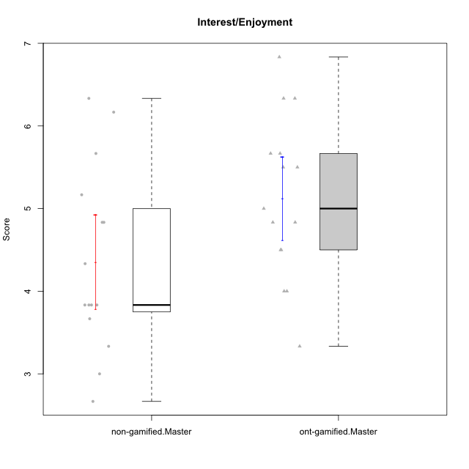

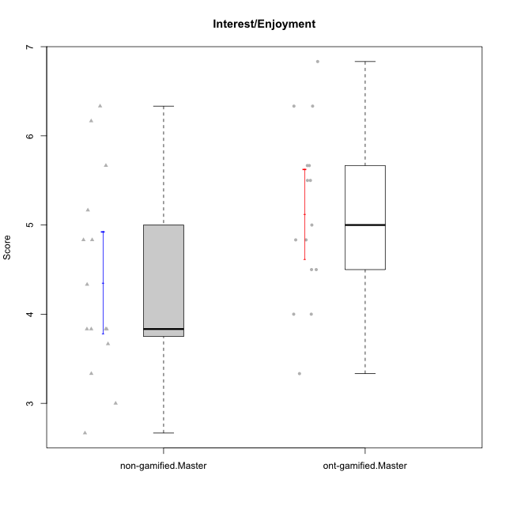

Student's t-Test data
UserID | NroUSP | Type | CLGroup | CLRole | PlayerRole | Item01IE | Item09IE | Item12IE | Item21IE | Item22IE | Item24IE | Item02PC | Item05PC | Item06PC | Item08PC | Item15PC | Item17PC | Item20PC | Item23PC | Item11PT | Item14PT | Item16PT | Item18PT | Interest/Enjoyment | Perceived Choice | Pressure/Tension | Intrinsic Motivation
10169 | 10377538 | ont-gamified | Grupo Hefesto | Master | Yee Achiever | 4 | 6 | 6 | 6 | 6 | 6 | 4 | 6 | 6 | 2 | 2 | 2 | 2 | 6 | 7 | 1 | 4 | 2 | 5.6666666667 | 5.25 | 2 | 5.5555555556
10172 | 10273971 | non-gamified | Grupo Team 1 | Master |  | 6 | 6 | 5 | 5 | 5 | 4 | 4 | 3 | 2 | 3 | 2 | 2 | 3 | 5 | 7 | 1 | 1 | 1 | 5.1666666667 | 5 | 1 | 5.5
10174 | 10276852 | ont-gamified | Grupo Urano | Master | Yee Achiever | 4 | 5 | 4 | 4 | 6 | 6 | 4 | 4 | 4 | 3 | 4 | 3 | 3 | 4 | 6 | 1 | 1 | 1 | 4.8333333333 | 4.375 | 1.25 | 5.0555555556
10175 | 10310700 | ont-gamified | Grupo Hélio | Master | Yee Socializer | 6 | 6 | 6 | 5 | 5 | 6 | 1 | 7 | 1 | 1 | 1 | 1 | 1 | 6 | 7 | 1 | 1 | 1 | 5.6666666667 | 6.875 | 1 | 6.5
10179 | 10310759 | non-gamified | Grupo Team 9 | Master |  | 4 | 4 | 3 | 4 | 4 | 4 | 6 | 3 | 5 | 4 | 5 | 4 | 3 | 3 | 6 | 2 | 2 | 2 | 3.8333333333 | 3.375 | 2 | 4.1111111111
10181 | 10276866 | non-gamified | Grupo Team 10 | Master |  | 5 | 5 | 5 | 5 | 4 | 2 | 2 | 2 | 1 | 3 | 2 | 2 | 2 | 4 | 7 | 1 | 1 | 1 | 4.3333333333 | 5.25 | 1 | 5.3333333333
10184 | 10276675 | ont-gamified | Grupo Apolo | Master | Yee Socializer | 5 | 5 | 5 | 4 | 4 | 4 | 5 | 7 | 1 | 1 | 4 | 1 | 2 | 4 | 4 | 1 | 3 | 1 | 4.5 | 5.625 | 2.25 | 5.2777777778
10188 | 10276995 | non-gamified | Grupo Team 3 | Master |  | 4 | 4 | 4 | 3 | 4 | 4 | 3 | 3 | 3 | 3 | 3 | 3 | 4 | 4 | 6 | 2 | 1 | 1 | 3.8333333333 | 4.5 | 1.5 | 4.7222222222
10189 | 9363926 | ont-gamified | Grupo Hades | Master | Yee Socializer | 2 | 4 | 3 | 6 | 4 | 5 | 4 | 5 | 2 | 1 | 5 | 2 | 1 | 2 | 5 | 4 | 5 | 2 | 4 | 5 | 3.5 | 4.5555555556
10191 | 10276981 | non-gamified | Grupo Team 6 | Master |  | 4 | 6 | 6 | 6 | 5 | 7 | 2 | 6 | 2 | 3 | 6 | 1 | 1 | 4 | 7 | 1 | 2 | 1 | 5.6666666667 | 5.375 | 1.25 | 5.7777777778
10193 | 10276762 | ont-gamified | Grupo Afrodite | Master | Yee Achiever | 4 | 5 | 5 | 5 | 6 | 4 | 2 | 4 | 5 | 3 | 5 | 3 | 2 | 5 | 6 | 1 | 1 | 1 | 4.8333333333 | 4.625 | 1.25 | 5.1666666667
10199 | 10276737 | ont-gamified | Grupo Gaia | Master | Yee Achiever | 4 | 4 | 4 | 4 | 7 | 1 | 1 | 7 | 1 | 1 | 1 | 1 | 1 | 7 | 2 | 3 | 1 | 1 | 4 | 7 | 2.75 | 5.6111111111
10201 | 10276928 | ont-gamified | Grupo Caronte | Master | Yee Achiever | 5 | 7 | 7 | 7 | 7 | 5 | 2 | 7 | 3 | 2 | 2 | 2 | 1 | 3 | 6 | 3 | 2 | 1 | 6.3333333333 | 5.75 | 2 | 6
10204 | 10310471 | ont-gamified | Grupo Hermes | Master | Yee Achiever | 6 | 7 | 7 | 7 | 7 | 7 | 2 | 7 | 4 | 1 | 1 | 1 | 1 | 7 | 7 | 1 | 1 | 1 | 6.8333333333 | 6.5 | 1 | 6.7222222222
10206 | 10310721 | ont-gamified | Grupo Hera | Master | Yee Achiever | 4 | 6 | 4 | 5 | 5 | 3 | 1 | 7 | 1 | 2 | 2 | 1 | 2 | 6 | 2 | 3 | 3 | 2 | 4.5 | 6.5 | 3.5 | 5.3888888889
10211 | 9311643 | non-gamified | Grupo Team 2 | Master |  | 7 | 7 | 5 | 6 | 6 | 6 | 7 | 3 | 6 | 3 | 6 | 3 | 2 | 5 | 7 | 2 | 2 | 3 | 6.1666666667 | 3.625 | 2 | 5
10212 | 9065750 | non-gamified | Grupo Team 4 | Master |  | 5 | 6 | 6 | 7 | 7 | 7 | 3 | 7 | 3 | 1 | 1 | 2 | 1 | 4 | 6 | 2 | 4 | 2 | 6.3333333333 | 6 | 2.5 | 6
10213 | 10277040 | ont-gamified | Grupo Morfeu | Master | Yee Socializer | 7 | 6 | 5 | 4 | 4 | 7 | 4 | 4 | 1 | 4 | 7 | 1 | 2 | 2 | 7 | 1 | 1 | 1 | 5.5 | 4.375 | 1 | 5.3333333333
10214 | 10277022 | non-gamified | Grupo Team 5 | Master |  | 4 | 4 | 3 | 3 | 3 | 1 | 4 | 4 | 4 | 4 | 5 | 4 | 4 | 2 | 4 | 1 | 1 | 2 | 3 | 3.625 | 2 | 3.9444444444
10215 | 9285227 | ont-gamified | Grupo Zeus | Master | Yee Socializer | 4 | 7 | 4 | 6 | 5 | 4 | 1 | 6 | 1 | 1 | 1 | 1 | 1 | 4 | 7 | 1 | 1 | 1 | 5 | 6.5 | 1 | 6.1111111111
10216 | 10276720 | non-gamified | Grupo Team 15 | Master |  | 4 | 7 | 5 | 5 | 7 | 1 | 1 | 7 | 1 | 1 | 4 | 1 | 3 | 7 | 7 | 2 | 1 | 1 | 4.8333333333 | 6.375 | 1.25 | 5.9444444444
10217 | 9805341 | non-gamified | Grupo Team 13 | Master |  | 3 | 5 | 4 | 5 | 4 | 2 | 2 | 4 | 1 | 1 | 1 | 1 | 2 | 4 | 7 | 1 | 1 | 1 | 3.8333333333 | 6 | 1 | 5.5
10218 | 9842913 | ont-gamified | Grupo Ares | Master | Yee Achiever | 4 | 3 | 3 | 4 | 4 | 2 | 2 | 5 | 4 | 1 | 3 | 3 | 2 | 3 | 3 | 3 | 4 | 2 | 3.3333333333 | 5.125 | 3.5 | 4.3888888889
10219 | 10276831 | non-gamified | Grupo Team 12 | Master |  | 4 | 4 | 4 | 3 | 4 | 3 | 2 | 1 | 4 | 3 | 4 | 4 | 3 | 1 | 7 | 1 | 1 | 1 | 3.6666666667 | 3.75 | 1 | 4.4444444444
10223 | 9795185 | ont-gamified | Grupo Cronus | Master | Yee Achiever | 6 | 6 | 6 | 7 | 7 | 6 | 2 | 6 | 2 | 1 | 2 | 1 | 3 | 6 | 7 | 1 | 2 | 1 | 6.3333333333 | 6.125 | 1.25 | 6.3333333333
10226 | 10310342 | non-gamified | Grupo Team 8 | Master |  | 2 | 4 | 4 | 4 | 4 | 5 | 6 | 2 | 4 | 5 | 6 | 4 | 2 | 1 | 7 | 1 | 1 | 3 | 3.8333333333 | 3 | 1.5 | 4.0555555556
10230 | 10351992 | non-gamified | Grupo Team 14 | Master |  | 1 | 4 | 1 | 6 | 1 | 3 | 2 | 5 | 1 | 5 | 4 | 1 | 5 | 4 | 1 | 1 | 4 | 1 | 2.6666666667 | 4.875 | 3.25 | 4.1111111111
10232 | 10276974 | ont-gamified | Grupo Artemis | Master | Yee Achiever | 6 | 4 | 5 | 6 | 5 | 7 | 2 | 5 | 4 | 2 | 4 | 2 | 1 | 4 | 1 | 1 | 2 | 2 | 5.5 | 5.25 | 3 | 5.2777777778
10234 | 10310676 | non-gamified | Grupo Team 7 | Master |  | 2 | 3 | 2 | 6 | 5 | 2 | 2 | 2 | 5 | 4 | 6 | 4 | 3 | 4 | 7 | 2 | 1 | 1 | 3.3333333333 | 3.75 | 1.25 | 4.2777777778
10237 | 10377688 | non-gamified | Grupo Team 11 | Master |  | 6 | 5 | 4 | 6 | 5 | 3 | 3 | 7 | 5 | 2 | 2 | 1 | 2 | 4 | 7 | 1 | 1 | 1 | 4.8333333333 | 5.5 | 1 | 5.6111111111

Type_CLRole_6
Student's t-Test for Interest/Enjoyment in Type:CLRole between ont-gamified.Apprentice:ont-gamified.Master

Student's t-Test results
Alternative hypothesis: less
Group | N | Mean | Mean.Difference | Std.deviation | Std.error | CI.lower | CI.upper | df | t.value | p.value | g | magnitude
ont-gamified.Apprentice | 13 | 4.5512820513 | -0.57094017094 | 0.82883400749 | 0.2298771933 | 4.0915276647 | 5.0110364379 | 25.991873424 | -1.6711339955 | 0.053347178468 | -0.60733291557 | medium
ont-gamified.Master | 15 | 5.1222222222 | 0.57094017094 | 0.978877448 | 0.25274507027 | 4.6167320817 | 5.6277123628 | 25.991873424 | -1.6711339955 | 0.053347178468 | -0.60733291557 | medium
Alternative hypothesis: greater
Group | N | Mean | Mean.Difference | Std.deviation | Std.error | CI.lower | CI.upper | df | t.value | p.value | g | magnitude
ont-gamified.Apprentice | 13 | 4.5512820513 | -0.57094017094 | 0.82883400749 | 0.2298771933 | 4.0915276647 | 5.0110364379 | 25.991873424 | -1.6711339955 | 0.94665282153 | -0.60733291557 | medium
ont-gamified.Master | 15 | 5.1222222222 | 0.57094017094 | 0.978877448 | 0.25274507027 | 4.6167320817 | 5.6277123628 | 25.991873424 | -1.6711339955 | 0.94665282153 | -0.60733291557 | medium
Alternative hypothesis: two.sided
Group | N | Mean | Mean.Difference | Std.deviation | Std.error | CI.lower | CI.upper | df | t.value | p.value | g | magnitude
ont-gamified.Apprentice | 13 | 4.5512820513 | -0.57094017094 | 0.82883400749 | 0.2298771933 | 4.0915276647 | 5.0110364379 | 25.991873424 | -1.6711339955 | 0.10669435694 | -0.60733291557 | medium
ont-gamified.Master | 15 | 5.1222222222 | 0.57094017094 | 0.978877448 | 0.25274507027 | 4.6167320817 | 5.6277123628 | 25.991873424 | -1.6711339955 | 0.10669435694 | -0.60733291557 | medium

Box plots for Student's t-Test
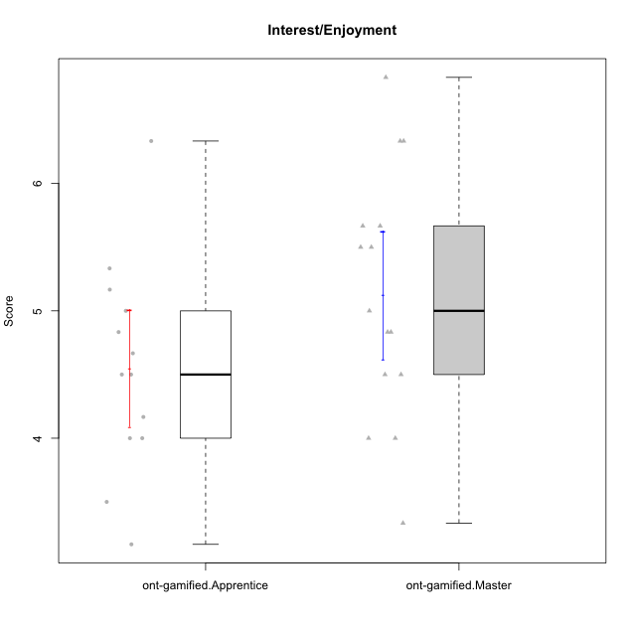

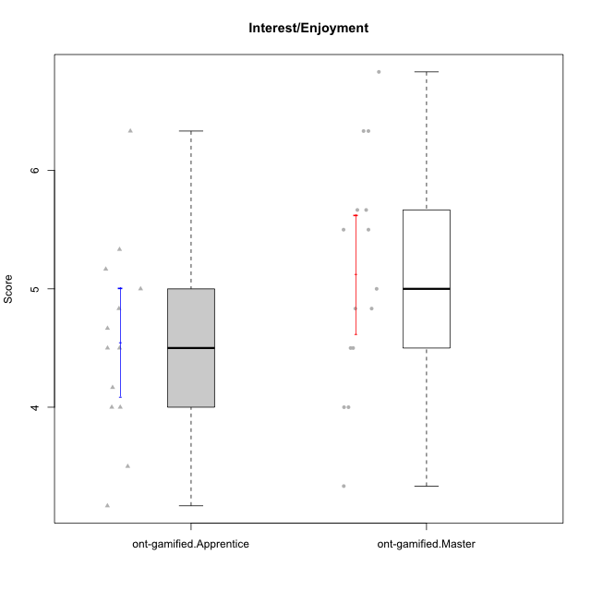

Student's t-Test data
UserID | NroUSP | Type | CLGroup | CLRole | PlayerRole | Item01IE | Item09IE | Item12IE | Item21IE | Item22IE | Item24IE | Item02PC | Item05PC | Item06PC | Item08PC | Item15PC | Item17PC | Item20PC | Item23PC | Item11PT | Item14PT | Item16PT | Item18PT | Interest/Enjoyment | Perceived Choice | Pressure/Tension | Intrinsic Motivation
10169 | 10377538 | ont-gamified | Grupo Hefesto | Master | Yee Achiever | 4 | 6 | 6 | 6 | 6 | 6 | 4 | 6 | 6 | 2 | 2 | 2 | 2 | 6 | 7 | 1 | 4 | 2 | 5.6666666667 | 5.25 | 2 | 5.5555555556
10170 | 10260351 | ont-gamified | Grupo Afrodite | Apprentice | Yee Achiever | 5 | 5 | 5 | 6 | 6 | 4 | 2 | 7 | 1 | 2 | 2 | 1 | 2 | 7 | 7 | 1 | 1 | 1 | 5.1666666667 | 6.5 | 1 | 6.1666666667
10174 | 10276852 | ont-gamified | Grupo Urano | Master | Yee Achiever | 4 | 5 | 4 | 4 | 6 | 6 | 4 | 4 | 4 | 3 | 4 | 3 | 3 | 4 | 6 | 1 | 1 | 1 | 4.8333333333 | 4.375 | 1.25 | 5.0555555556
10175 | 10310700 | ont-gamified | Grupo Hélio | Master | Yee Socializer | 6 | 6 | 6 | 5 | 5 | 6 | 1 | 7 | 1 | 1 | 1 | 1 | 1 | 6 | 7 | 1 | 1 | 1 | 5.6666666667 | 6.875 | 1 | 6.5
10176 | 10276949 | ont-gamified | Grupo Cronus | Apprentice | Yee Achiever | 5 | 5 | 4 | 4 | 4 | 3 | 5 | 6 | 1 | 1 | 2 | 2 | 2 | 2 | 4 | 2 | 3 | 2 | 4.1666666667 | 5.375 | 2.75 | 4.9444444444
10178 | 8656201 | ont-gamified | Grupo Morfeu | Apprentice | Yee Socializer | 5 | 5 | 5 | 5 | 5 | 5 | 4 | 5 | 2 | 1 | 3 | 1 | 3 | 5 | 5 | 1 | 4 | 1 | 5 | 5.5 | 2.25 | 5.3888888889
10183 | 10352030 | ont-gamified | Grupo Hélio | Apprentice | Yee Socializer | 5 | 4 | 4 | 4 | 4 | 3 | 3 | 5 | 2 | 4 | 2 | 2 | 2 | 4 | 5 | 2 | 3 | 3 | 4 | 5.25 | 2.75 | 4.8333333333
10184 | 10276675 | ont-gamified | Grupo Apolo | Master | Yee Socializer | 5 | 5 | 5 | 4 | 4 | 4 | 5 | 7 | 1 | 1 | 4 | 1 | 2 | 4 | 4 | 1 | 3 | 1 | 4.5 | 5.625 | 2.25 | 5.2777777778
10186 | 10310551 | ont-gamified | Grupo Ares | Apprentice | Yee Achiever | 3 | 6 | 4 | 4 | 5 | 6 | 2 | 4 | 4 | 1 | 1 | 1 | 1 | 5 | 4 | 1 | 4 | 3 | 4.6666666667 | 5.875 | 3 | 5.2777777778
10189 | 9363926 | ont-gamified | Grupo Hades | Master | Yee Socializer | 2 | 4 | 3 | 6 | 4 | 5 | 4 | 5 | 2 | 1 | 5 | 2 | 1 | 2 | 5 | 4 | 5 | 2 | 4 | 5 | 3.5 | 4.5555555556
10190 | 10276907 | ont-gamified | Grupo Zeus | Apprentice | Yee Socializer | 4 | 5 | 5 | 4 | 4 | 5 | 4 | 7 | 1 | 3 | 1 | 2 | 3 | 4 | 6 | 1 | 2 | 2 | 4.5 | 5.625 | 1.75 | 5.3888888889
10193 | 10276762 | ont-gamified | Grupo Afrodite | Master | Yee Achiever | 4 | 5 | 5 | 5 | 6 | 4 | 2 | 4 | 5 | 3 | 5 | 3 | 2 | 5 | 6 | 1 | 1 | 1 | 4.8333333333 | 4.625 | 1.25 | 5.1666666667
10195 | 10351971 | ont-gamified | Grupo Urano | Apprentice | Yee Achiever | 5 | 6 | 5 | 6 | 5 | 5 | 4 | 4 | 4 | 1 | 4 | 4 | 2 | 4 | 7 | 1 | 1 | 1 | 5.3333333333 | 4.625 | 1 | 5.3888888889
10196 | 10310655 | ont-gamified | Grupo Hefesto | Apprentice | Yee Achiever | 4 | 4 | 4 | 4 | 4 | 4 | 6 | 2 | 1 | 4 | 7 | 1 | 4 | 4 | 7 | 1 | 1 | 1 | 4 | 3.875 | 1 | 4.6111111111
10197 | 10276661 | ont-gamified | Grupo Gaia | Apprentice | Yee Achiever | 4 | 6 | 4 | 6 | 4 | 5 | 1 | 7 | 2 | 1 | 1 | 1 | 1 | 6 | 7 | 1 | 1 | 1 | 4.8333333333 | 6.75 | 1 | 6.1666666667
10199 | 10276737 | ont-gamified | Grupo Gaia | Master | Yee Achiever | 4 | 4 | 4 | 4 | 7 | 1 | 1 | 7 | 1 | 1 | 1 | 1 | 1 | 7 | 2 | 3 | 1 | 1 | 4 | 7 | 2.75 | 5.6111111111
10200 | 9795272 | ont-gamified | Grupo Hades | Apprentice | Yee Socializer | 6 | 6 | 7 | 6 | 6 | 7 | 2 | 5 | 2 | 3 | 4 | 2 | 2 | 4 | 7 | 1 | 1 | 1 | 6.3333333333 | 5.25 | 1 | 6
10201 | 10276928 | ont-gamified | Grupo Caronte | Master | Yee Achiever | 5 | 7 | 7 | 7 | 7 | 5 | 2 | 7 | 3 | 2 | 2 | 2 | 1 | 3 | 6 | 3 | 2 | 1 | 6.3333333333 | 5.75 | 2 | 6
10204 | 10310471 | ont-gamified | Grupo Hermes | Master | Yee Achiever | 6 | 7 | 7 | 7 | 7 | 7 | 2 | 7 | 4 | 1 | 1 | 1 | 1 | 7 | 7 | 1 | 1 | 1 | 6.8333333333 | 6.5 | 1 | 6.7222222222
10206 | 10310721 | ont-gamified | Grupo Hera | Master | Yee Achiever | 4 | 6 | 4 | 5 | 5 | 3 | 1 | 7 | 1 | 2 | 2 | 1 | 2 | 6 | 2 | 3 | 3 | 2 | 4.5 | 6.5 | 3.5 | 5.3888888889
10209 | 10262669 | ont-gamified | Grupo Artemis | Apprentice | Yee Achiever | 4 | 3 | 3 | 3 | 2 | 4 | 7 | 4 | 7 | 7 | 7 | 7 | 5 | 1 | 7 | 1 | 1 | 1 | 3.1666666667 | 1.625 | 1 | 3.3333333333
10213 | 10277040 | ont-gamified | Grupo Morfeu | Master | Yee Socializer | 7 | 6 | 5 | 4 | 4 | 7 | 4 | 4 | 1 | 4 | 7 | 1 | 2 | 2 | 7 | 1 | 1 | 1 | 5.5 | 4.375 | 1 | 5.3333333333
10215 | 9285227 | ont-gamified | Grupo Zeus | Master | Yee Socializer | 4 | 7 | 4 | 6 | 5 | 4 | 1 | 6 | 1 | 1 | 1 | 1 | 1 | 4 | 7 | 1 | 1 | 1 | 5 | 6.5 | 1 | 6.1111111111
10218 | 9842913 | ont-gamified | Grupo Ares | Master | Yee Achiever | 4 | 3 | 3 | 4 | 4 | 2 | 2 | 5 | 4 | 1 | 3 | 3 | 2 | 3 | 3 | 3 | 4 | 2 | 3.3333333333 | 5.125 | 3.5 | 4.3888888889
10221 | 9082496 | ont-gamified | Grupo Hermes | Apprentice | Yee Achiever | 4 | 5 | 4 | 5 | 5 | 4 | 3 | 6 | 4 | 1 | 4 | 1 | 4 | 1 | 7 | 1 | 1 | 1 | 4.5 | 4.75 | 1 | 5.1666666667
10223 | 9795185 | ont-gamified | Grupo Cronus | Master | Yee Achiever | 6 | 6 | 6 | 7 | 7 | 6 | 2 | 6 | 2 | 1 | 2 | 1 | 3 | 6 | 7 | 1 | 2 | 1 | 6.3333333333 | 6.125 | 1.25 | 6.3333333333
10232 | 10276974 | ont-gamified | Grupo Artemis | Master | Yee Achiever | 6 | 4 | 5 | 6 | 5 | 7 | 2 | 5 | 4 | 2 | 4 | 2 | 1 | 4 | 1 | 1 | 2 | 2 | 5.5 | 5.25 | 3 | 5.2777777778
10240 | 10276654 | ont-gamified | Grupo Hera | Apprentice | Yee Achiever | 4 | 3 | 4 | 2 | 4 | 4 | 6 | 6 | 7 | 5 | 7 | 7 | 7 | 4 | 7 | 1 | 1 | 1 | 3.5 | 2.375 | 1 | 3.7777777778

