Type_1
Wilcoxon Analysis for Level of Motivation in Type between non-gamified:ont-gamified

Wilcoxon test results
Alternative hypothesis: less
Group | N | Median | Mean.Ranks | Sum.Ranks | U | Z | p.value | r | magnitude
non-gamified | 34 | 4.1363636364 | 26.294117647 | 894 | 299 | -1.7229567137 | 0.042827649434 | 0.22623530004 | small
ont-gamified | 24 | 4.3636363636 | 34.041666667 | 817 | 299 | -1.7229567137 | 0.042827649434 | 0.22623530004 | small
Alternative hypothesis: greater
Group | N | Median | Mean.Ranks | Sum.Ranks | U | Z | p.value | r | magnitude
non-gamified | 34 | 4.1363636364 | 26.294117647 | 894 | 299 | -1.7229567137 | 0.95789907044 | 0.22623530004 | small
ont-gamified | 24 | 4.3636363636 | 34.041666667 | 817 | 299 | -1.7229567137 | 0.95789907044 | 0.22623530004 | small
Alternative hypothesis: two.sided
Group | N | Median | Mean.Ranks | Sum.Ranks | U | Z | p.value | r | magnitude
non-gamified | 34 | 4.1363636364 | 26.294117647 | 894 | 299 | -1.7229567137 | 0.085655677645 | 0.22623530004 | small
ont-gamified | 24 | 4.3636363636 | 34.041666667 | 817 | 299 | -1.7229567137 | 0.085655677645 | 0.22623530004 | small

Box plots for wilcoxon tests
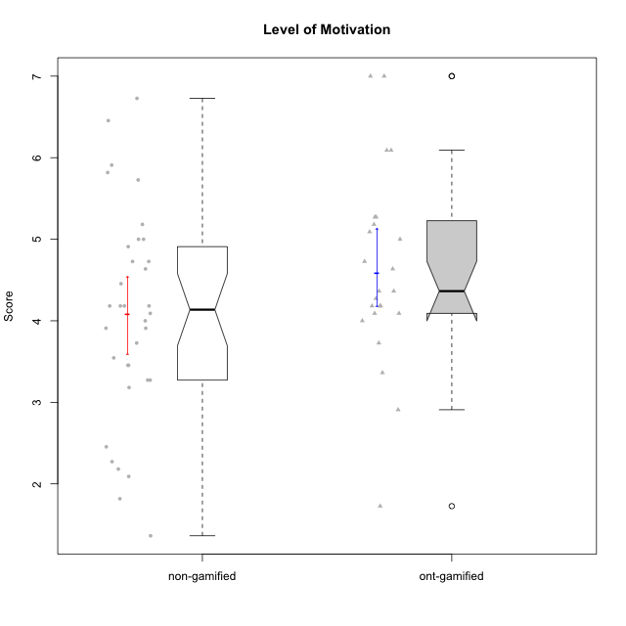

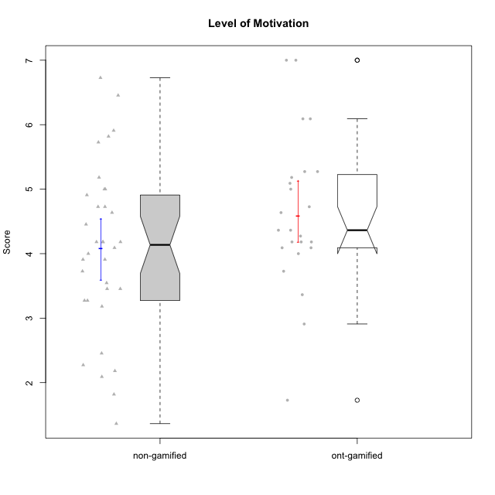

Wilcoxon data
UserID | NroUSP | Type | CLGroup | CLRole | PlayerRole | Item01A | Item04A | Item05A | Item12A | Item19A | Item20A | Item09S | Item11S | Item14S | Item24S | Item25S | Attention | Satisfaction | Level of Motivation
10169 | 10377538 | non-gamified | Grupo Team 10 | Apprentice |  | 2 | 2 | 2 | 2 | 2 | 2 | 1 | 2 | 2 | 3 | 7 | 2 | 3 | 2.4545454545
10170 | 10260351 | non-gamified | Grupo Team 6 | Apprentice |  | 4 | 5 | 4 | 5 | 5 | 3 | 4 | 5 | 4 | 6 | 6 | 4.3333333333 | 5 | 4.6363636364
10171 | 698531 | ont-gamified | Grupo Losvakai | Master | Yee Achiever | 5 | 5 | 6 | 5 | 5 | 4 | 4 | 5 | 6 | 6 | 7 | 5 | 5.6 | 5.2727272727
10172 | 10273971 | ont-gamified | Grupo Koil | Master | Yee Achiever | 6 | 6 | 6 | 4 | 5 | 5 | 4 | 5 | 4 | 5 | 5 | 5.3333333333 | 4.6 | 5
10174 | 10276852 | non-gamified | Grupo Team 1 | Apprentice |  | 4 | 4 | 4 | 3 | 1 | 3 | 2 | 4 | 2 | 4 | 4 | 3.1666666667 | 3.2 | 3.1818181818
10175 | 10310700 | non-gamified | Grupo Team 6 | Master |  | 7 | 5 | 6 | 7 | 6 | 4 | 6 | 6 | 5 | 6 | 7 | 5.8333333333 | 6 | 5.9090909091
10176 | 10276949 | non-gamified | Grupo Team 9 | Apprentice |  | 3 | 3 | 3 | 3 | 3 | 3 | 3 | 6 | 3 | 3 | 3 | 3 | 3.6 | 3.2727272727
10178 | 8656201 | non-gamified | Grupo Team 11 | Apprentice |  | 4 | 5 | 5 | 5 | 5 | 5 | 4 | 5 | 4 | 5 | 5 | 4.8333333333 | 4.6 | 4.7272727273
10179 | 10310759 | ont-gamified | Grupo Tosskor | Apprentice | Yee Achiever | 4 | 4 | 4 | 4 | 4 | 4 | 2 | 4 | 3 | 6 | 6 | 4 | 4.2 | 4.0909090909
10181 | 10276866 | non-gamified | Grupo Team 7 | Apprentice |  | 5 | 5 | 4 | 5 | 1 | 4 | 3 | 5 | 5 | 3 | 3 | 4 | 3.8 | 3.9090909091
10183 | 10352030 | non-gamified | Grupo Belos | Apprentice | Yee Socializer | 4 | 2 | 3 | 3 | 5 | 2 | 3 | 3 | 4 | 5 | 4 | 3.1666666667 | 3.8 | 3.4545454545
10184 | 10276675 | non-gamified | Grupo Team 7 | Master |  | 5 | 6 | 6 | 6 | 4 | 6 | 6 | 6 | 6 | 7 | 6 | 5.5 | 6.2 | 5.8181818182
10185 | 10276960 | ont-gamified | Grupo Tosskor | Master | Yee Achiever | 4 | 5 | 5 | 4 | 5 | 3 | 3 | 4 | 4 | 4 | 4 | 4.3333333333 | 3.8 | 4.0909090909
10186 | 10310551 | non-gamified | Grupo Team 5 | Apprentice |  | 1 | 4 | 6 | 3 | 1 | 4 | 4 | 3 | 5 | 7 | 7 | 3.1666666667 | 5.2 | 4.0909090909
10187 | 9790781 | ont-gamified | Grupo Razorg | Apprentice | Yee Achiever | 6 | 4 | 4 | 4 | 4 | 5 | 5 | 4 | 5 | 5 | 5 | 4.5 | 4.8 | 4.6363636364
10188 | 10276995 | ont-gamified | Grupo Paldira | Master | Yee Achiever | 4 | 5 | 4 | 5 | 3 | 4 | 4 | 4 | 4 | 5 | 4 | 4.1666666667 | 4.2 | 4.1818181818
10189 | 9363926 | non-gamified | Grupo Team 2 | Apprentice |  | 1 | 1 | 2 | 1 | 1 | 2 | 1 | 1 | 1 | 1 | 3 | 1.3333333333 | 1.4 | 1.3636363636
10190 | 10276907 | non-gamified | Grupo Team 8 | Apprentice |  | 3 | 4 | 2 | 1 | 1 | 1 | 4 | 6 | 7 | 7 | 5 | 2 | 5.8 | 3.7272727273
10191 | 10276981 | ont-gamified | Grupo Yeka | Apprentice | Yee Socializer | 6 | 6 | 7 | 6 | 7 | 6 | 4 | 5 | 6 | 7 | 7 | 6.3333333333 | 5.8 | 6.0909090909
10192 | 10276682 | ont-gamified | Grupo Yeka | Apprentice | Yee Socializer | 7 | 7 | 7 | 7 | 7 | 7 | 7 | 7 | 7 | 7 | 7 | 7 | 7 | 7
10193 | 10276762 | non-gamified | Grupo Team 2 | Master |  | 3 | 3 | 6 | 4 | 4 | 3 | 3 | 1 | 4 | 4 | 3 | 3.8333333333 | 3 | 3.4545454545
10196 | 10310655 | non-gamified | Grupo Team 5 | Apprentice |  | 4 | 1 | 3 | 4 | 4 | 4 | 4 | 4 | 5 | 2 | 4 | 3.3333333333 | 3.8 | 3.5454545455
10197 | 10276661 | non-gamified | Grupo Team 11 | Master |  | 7 | 5 | 4 | 4 | 2 | 4 | 4 | 3 | 3 | 4 | 6 | 4.3333333333 | 4 | 4.1818181818
10198 | 10310888 | non-gamified | Grupo Team 1 | Apprentice |  | 7 | 7 | 4 | 7 | 7 | 7 | 7 | 7 | 7 | 7 | 7 | 6.5 | 7 | 6.7272727273
10200 | 9795272 | non-gamified | Grupo Team 4 | Apprentice |  | 5 | 5 | 3 | 4 | 4 | 4 | 4 | 4 | 5 | 6 | 5 | 4.1666666667 | 4.8 | 4.4545454545
10201 | 10276928 | non-gamified | Grupo Team 10 | Master |  | 4 | 4 | 5 | 5 | 5 | 5 | 3 | 6 | 6 | 6 | 6 | 4.6666666667 | 5.4 | 5
10202 | 10277036 | ont-gamified | Grupo Paldira | Apprentice | Yee Achiever | 5 | 4 | 4 | 4 | 3 | 4 | 4 | 5 | 4 | 5 | 5 | 4 | 4.6 | 4.2727272727
10203 | 9921470 | ont-gamified | Grupo Paldira | Apprentice | Yee Achiever | 7 | 7 | 7 | 7 | 7 | 7 | 7 | 7 | 7 | 7 | 7 | 7 | 7 | 7
10204 | 10310471 | non-gamified | Grupo Team 5 | Master |  | 7 | 6 | 7 | 7 | 7 | 7 | 4 | 7 | 7 | 7 | 5 | 6.8333333333 | 6 | 6.4545454545
10206 | 10310721 | non-gamified | Grupo Team 9 | Master |  | 4 | 5 | 3 | 3 | 4 | 3 | 4 | 4 | 5 | 6 | 5 | 3.6666666667 | 4.8 | 4.1818181818
10208 | 10276932 | ont-gamified | Grupo Yeka | Master | Yee Socializer | 4 | 3 | 5 | 3 | 5 | 4 | 4 | 5 | 4 | 5 | 4 | 4 | 4.4 | 4.1818181818
10209 | 10262669 | non-gamified | Grupo Team 1 | Master |  | 1 | 1 | 7 | 1 | 1 | 1 | 4 | 1 | 1 | 1 | 4 | 2 | 2.2 | 2.0909090909
10210 | 10277015 | ont-gamified | Grupo Losvakai | Apprentice | Yee Achiever | 4 | 4 | 6 | 4 | 2 | 3 | 2 | 4 | 6 | 3 | 3 | 3.8333333333 | 3.6 | 3.7272727273
10211 | 9311643 | ont-gamified | Grupo Razorg | Master | Yee Achiever | 1 | 1 | 1 | 2 | 1 | 1 | 2 | 3 | 2 | 4 | 1 | 1.1666666667 | 2.4 | 1.7272727273
10212 | 9065750 | ont-gamified | Grupo Ellaru | Apprentice | Yee Socializer | 2 | 4 | 2 | 3 | 4 | 3 | 3 | 5 | 2 | 4 | 5 | 3 | 3.8 | 3.3636363636
10213 | 10277040 | non-gamified | Grupo Team 8 | Master |  | 4 | 3 | 7 | 5 | 6 | 5 | 2 | 4 | 6 | 6 | 7 | 5 | 5 | 5
10214 | 10277022 | ont-gamified | Grupo Koil | Apprentice | Yee Achiever | 4 | 5 | 5 | 4 | 5 | 4 | 3 | 4 | 4 | 5 | 5 | 4.5 | 4.2 | 4.3636363636
10215 | 9285227 | non-gamified | Grupo Team 7 | Apprentice |  | 6 | 4 | 3 | 3 | 4 | 4 | 7 | 4 | 5 | 6 | 6 | 4 | 5.6 | 4.7272727273
10216 | 10276720 | ont-gamified | Grupo Ellaru | Master | Yee Socializer | 2 | 5 | 7 | 3 | 7 | 2 | 4 | 7 | 6 | 7 | 7 | 4.3333333333 | 6.2 | 5.1818181818
10217 | 9805341 | ont-gamified | Grupo Belos | Master | Yee Socializer | 5 | 6 | 6 | 4 | 4 | 5 | 4 | 6 | 6 | 6 | 6 | 5 | 5.6 | 5.2727272727
10218 | 9842913 | non-gamified | Grupo Team 10 | Apprentice |  | 4 | 2 | 4 | 4 | 2 | 2 | 4 | 5 | 5 | 7 | 7 | 3 | 5.6 | 4.1818181818
10219 | 10276831 | ont-gamified | Grupo Razorg | Apprentice | Yee Achiever | 1 | 1 | 4 | 5 | 4 | 3 | 4 | 3 | 2 | 2 | 3 | 3 | 2.8 | 2.9090909091
10220 | 9760151 | non-gamified | Grupo Team 4 | Apprentice |  | 1 | 1 | 1 | 1 | 1 | 4 | 7 | 7 | 7 | 7 | 7 | 1.5 | 7 | 4
10221 | 9082496 | non-gamified | Grupo Team 3 | Apprentice |  | 4 | 2 | 3 | 3 | 4 | 4 | 4 | 6 | 3 | 4 | 6 | 3.3333333333 | 4.6 | 3.9090909091
10223 | 9795185 | non-gamified | Grupo Team 3 | Master |  | 1 | 1 | 2 | 2 | 3 | 3 | 2 | 4 | 2 | 2 | 2 | 2 | 2.4 | 2.1818181818
10224 | 9368772 | non-gamified | Grupo Team 9 | Apprentice |  | 4 | 7 | 5 | 5 | 5 | 5 | 4 | 4 | 6 | 6 | 6 | 5.1666666667 | 5.2 | 5.1818181818
10226 | 10310342 | ont-gamified | Grupo Yeka | Apprentice | Yee Socializer | 6 | 4 | 3 | 6 | 5 | 5 | 4 | 6 | 5 | 6 | 6 | 4.8333333333 | 5.4 | 5.0909090909
10227 | 9274382 | non-gamified | Grupo Team 2 | Apprentice |  | 7 | 5 | 4 | 6 | 5 | 6 | 6 | 6 | 6 | 6 | 6 | 5.5 | 6 | 5.7272727273
10228 | 10310492 | ont-gamified | Grupo Losvakai | Apprentice | Yee Achiever | 4 | 4 | 4 | 5 | 4 | 4 | 4 | 4 | 4 | 5 | 4 | 4.1666666667 | 4.2 | 4.1818181818
10230 | 10351992 | ont-gamified | Grupo Koil | Apprentice | Yee Achiever | 6 | 7 | 7 | 5 | 7 | 6 | 5 | 5 | 5 | 7 | 7 | 6.3333333333 | 5.8 | 6.0909090909
10231 | 10276911 | non-gamified | Grupo Team 4 | Master |  | 3 | 4 | 4 | 2 | 2 | 2 | 1 | 3 | 4 | 6 | 5 | 2.8333333333 | 3.8 | 3.2727272727
10232 | 10276974 | non-gamified | Grupo Team 3 | Apprentice |  | 5 | 5 | 5 | 5 | 5 | 5 | 5 | 6 | 5 | 7 | 1 | 5 | 4.8 | 4.9090909091
10233 | 9805320 | ont-gamified | Grupo Tosskor | Apprentice | Yee Achiever | 2 | 3 | 5 | 4 | 6 | 7 | 1 | 4 | 2 | 6 | 4 | 4.5 | 3.4 | 4
10234 | 10310676 | non-gamified | Grupo Team 6 | Apprentice |  | 4 | 4 | 5 | 4 | 6 | 6 | 2 | 4 | 3 | 4 | 4 | 4.8333333333 | 3.4 | 4.1818181818
10237 | 10377688 | ont-gamified | Grupo Ellaru | Apprentice | Yee Socializer | 4 | 3 | 6 | 4 | 4 | 3 | 4 | 5 | 5 | 5 | 5 | 4 | 4.8 | 4.3636363636
10238 | 10276953 | ont-gamified | Grupo Belos | Apprentice | Yee Socializer | 4 | 4 | 4 | 5 | 5 | 4 | 5 | 5 | 5 | 5 | 6 | 4.3333333333 | 5.2 | 4.7272727273
10240 | 10276654 | non-gamified | Grupo Team 8 | Apprentice |  | 2 | 2 | 2 | 2 | 2 | 2 | 2 | 4 | 2 | 3 | 2 | 2 | 2.6 | 2.2727272727
10242 | 9424506 | non-gamified | Grupo Team 11 | Apprentice |  | 1 | 1 | 1 | 1 | 1 | 1 | 1 | 1 | 1 | 7 | 4 | 1 | 2.8 | 1.8181818182

Type_CLRole_1
Wilcoxon Analysis for Level of Motivation in Type:CLRole between non-gamified.Apprentice:non-gamified.Master

Wilcoxon test results
Alternative hypothesis: less
Group | N | Median | Mean.Ranks | Sum.Ranks | U | Z | p.value | r | magnitude
non-gamified.Apprentice | 23 | 4 | 16.47826087 | 379 | 103 | -0.86608882965 | 0.19867928012 | 0.14853300889 | small
non-gamified.Master | 11 | 4.1818181818 | 19.636363636 | 216 | 103 | -0.86608882965 | 0.19867928012 | 0.14853300889 | small
Alternative hypothesis: greater
Group | N | Median | Mean.Ranks | Sum.Ranks | U | Z | p.value | r | magnitude
non-gamified.Apprentice | 23 | 4 | 16.47826087 | 379 | 103 | -0.86608882965 | 0.80639738319 | 0.14853300889 | small
non-gamified.Master | 11 | 4.1818181818 | 19.636363636 | 216 | 103 | -0.86608882965 | 0.80639738319 | 0.14853300889 | small
Alternative hypothesis: two.sided
Group | N | Median | Mean.Ranks | Sum.Ranks | U | Z | p.value | r | magnitude
non-gamified.Apprentice | 23 | 4 | 16.47826087 | 379 | 103 | -0.86608882965 | 0.39735464898 | 0.14853300889 | small
non-gamified.Master | 11 | 4.1818181818 | 19.636363636 | 216 | 103 | -0.86608882965 | 0.39735464898 | 0.14853300889 | small

Box plots for wilcoxon tests
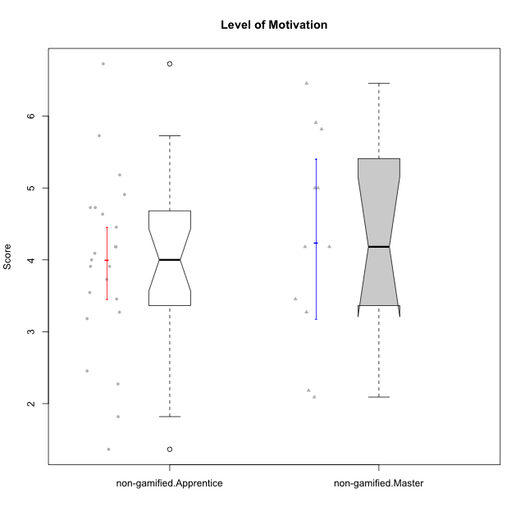

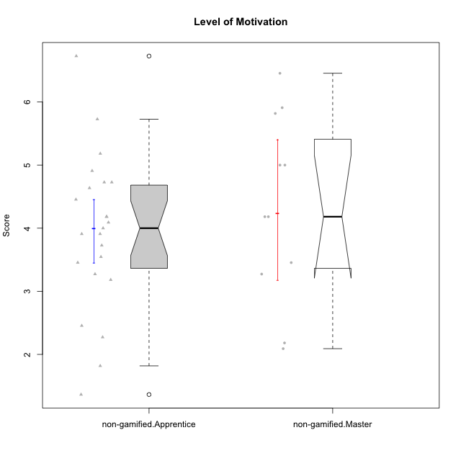

Wilcoxon data
UserID | NroUSP | Type | CLGroup | CLRole | PlayerRole | Item01A | Item04A | Item05A | Item12A | Item19A | Item20A | Item09S | Item11S | Item14S | Item24S | Item25S | Attention | Satisfaction | Level of Motivation
10169 | 10377538 | non-gamified | Grupo Team 10 | Apprentice |  | 2 | 2 | 2 | 2 | 2 | 2 | 1 | 2 | 2 | 3 | 7 | 2 | 3 | 2.4545454545
10170 | 10260351 | non-gamified | Grupo Team 6 | Apprentice |  | 4 | 5 | 4 | 5 | 5 | 3 | 4 | 5 | 4 | 6 | 6 | 4.3333333333 | 5 | 4.6363636364
10174 | 10276852 | non-gamified | Grupo Team 1 | Apprentice |  | 4 | 4 | 4 | 3 | 1 | 3 | 2 | 4 | 2 | 4 | 4 | 3.1666666667 | 3.2 | 3.1818181818
10175 | 10310700 | non-gamified | Grupo Team 6 | Master |  | 7 | 5 | 6 | 7 | 6 | 4 | 6 | 6 | 5 | 6 | 7 | 5.8333333333 | 6 | 5.9090909091
10176 | 10276949 | non-gamified | Grupo Team 9 | Apprentice |  | 3 | 3 | 3 | 3 | 3 | 3 | 3 | 6 | 3 | 3 | 3 | 3 | 3.6 | 3.2727272727
10178 | 8656201 | non-gamified | Grupo Team 11 | Apprentice |  | 4 | 5 | 5 | 5 | 5 | 5 | 4 | 5 | 4 | 5 | 5 | 4.8333333333 | 4.6 | 4.7272727273
10181 | 10276866 | non-gamified | Grupo Team 7 | Apprentice |  | 5 | 5 | 4 | 5 | 1 | 4 | 3 | 5 | 5 | 3 | 3 | 4 | 3.8 | 3.9090909091
10183 | 10352030 | non-gamified | Grupo Belos | Apprentice | Yee Socializer | 4 | 2 | 3 | 3 | 5 | 2 | 3 | 3 | 4 | 5 | 4 | 3.1666666667 | 3.8 | 3.4545454545
10184 | 10276675 | non-gamified | Grupo Team 7 | Master |  | 5 | 6 | 6 | 6 | 4 | 6 | 6 | 6 | 6 | 7 | 6 | 5.5 | 6.2 | 5.8181818182
10186 | 10310551 | non-gamified | Grupo Team 5 | Apprentice |  | 1 | 4 | 6 | 3 | 1 | 4 | 4 | 3 | 5 | 7 | 7 | 3.1666666667 | 5.2 | 4.0909090909
10189 | 9363926 | non-gamified | Grupo Team 2 | Apprentice |  | 1 | 1 | 2 | 1 | 1 | 2 | 1 | 1 | 1 | 1 | 3 | 1.3333333333 | 1.4 | 1.3636363636
10190 | 10276907 | non-gamified | Grupo Team 8 | Apprentice |  | 3 | 4 | 2 | 1 | 1 | 1 | 4 | 6 | 7 | 7 | 5 | 2 | 5.8 | 3.7272727273
10193 | 10276762 | non-gamified | Grupo Team 2 | Master |  | 3 | 3 | 6 | 4 | 4 | 3 | 3 | 1 | 4 | 4 | 3 | 3.8333333333 | 3 | 3.4545454545
10196 | 10310655 | non-gamified | Grupo Team 5 | Apprentice |  | 4 | 1 | 3 | 4 | 4 | 4 | 4 | 4 | 5 | 2 | 4 | 3.3333333333 | 3.8 | 3.5454545455
10197 | 10276661 | non-gamified | Grupo Team 11 | Master |  | 7 | 5 | 4 | 4 | 2 | 4 | 4 | 3 | 3 | 4 | 6 | 4.3333333333 | 4 | 4.1818181818
10198 | 10310888 | non-gamified | Grupo Team 1 | Apprentice |  | 7 | 7 | 4 | 7 | 7 | 7 | 7 | 7 | 7 | 7 | 7 | 6.5 | 7 | 6.7272727273
10200 | 9795272 | non-gamified | Grupo Team 4 | Apprentice |  | 5 | 5 | 3 | 4 | 4 | 4 | 4 | 4 | 5 | 6 | 5 | 4.1666666667 | 4.8 | 4.4545454545
10201 | 10276928 | non-gamified | Grupo Team 10 | Master |  | 4 | 4 | 5 | 5 | 5 | 5 | 3 | 6 | 6 | 6 | 6 | 4.6666666667 | 5.4 | 5
10204 | 10310471 | non-gamified | Grupo Team 5 | Master |  | 7 | 6 | 7 | 7 | 7 | 7 | 4 | 7 | 7 | 7 | 5 | 6.8333333333 | 6 | 6.4545454545
10206 | 10310721 | non-gamified | Grupo Team 9 | Master |  | 4 | 5 | 3 | 3 | 4 | 3 | 4 | 4 | 5 | 6 | 5 | 3.6666666667 | 4.8 | 4.1818181818
10209 | 10262669 | non-gamified | Grupo Team 1 | Master |  | 1 | 1 | 7 | 1 | 1 | 1 | 4 | 1 | 1 | 1 | 4 | 2 | 2.2 | 2.0909090909
10213 | 10277040 | non-gamified | Grupo Team 8 | Master |  | 4 | 3 | 7 | 5 | 6 | 5 | 2 | 4 | 6 | 6 | 7 | 5 | 5 | 5
10215 | 9285227 | non-gamified | Grupo Team 7 | Apprentice |  | 6 | 4 | 3 | 3 | 4 | 4 | 7 | 4 | 5 | 6 | 6 | 4 | 5.6 | 4.7272727273
10218 | 9842913 | non-gamified | Grupo Team 10 | Apprentice |  | 4 | 2 | 4 | 4 | 2 | 2 | 4 | 5 | 5 | 7 | 7 | 3 | 5.6 | 4.1818181818
10220 | 9760151 | non-gamified | Grupo Team 4 | Apprentice |  | 1 | 1 | 1 | 1 | 1 | 4 | 7 | 7 | 7 | 7 | 7 | 1.5 | 7 | 4
10221 | 9082496 | non-gamified | Grupo Team 3 | Apprentice |  | 4 | 2 | 3 | 3 | 4 | 4 | 4 | 6 | 3 | 4 | 6 | 3.3333333333 | 4.6 | 3.9090909091
10223 | 9795185 | non-gamified | Grupo Team 3 | Master |  | 1 | 1 | 2 | 2 | 3 | 3 | 2 | 4 | 2 | 2 | 2 | 2 | 2.4 | 2.1818181818
10224 | 9368772 | non-gamified | Grupo Team 9 | Apprentice |  | 4 | 7 | 5 | 5 | 5 | 5 | 4 | 4 | 6 | 6 | 6 | 5.1666666667 | 5.2 | 5.1818181818
10227 | 9274382 | non-gamified | Grupo Team 2 | Apprentice |  | 7 | 5 | 4 | 6 | 5 | 6 | 6 | 6 | 6 | 6 | 6 | 5.5 | 6 | 5.7272727273
10231 | 10276911 | non-gamified | Grupo Team 4 | Master |  | 3 | 4 | 4 | 2 | 2 | 2 | 1 | 3 | 4 | 6 | 5 | 2.8333333333 | 3.8 | 3.2727272727
10232 | 10276974 | non-gamified | Grupo Team 3 | Apprentice |  | 5 | 5 | 5 | 5 | 5 | 5 | 5 | 6 | 5 | 7 | 1 | 5 | 4.8 | 4.9090909091
10234 | 10310676 | non-gamified | Grupo Team 6 | Apprentice |  | 4 | 4 | 5 | 4 | 6 | 6 | 2 | 4 | 3 | 4 | 4 | 4.8333333333 | 3.4 | 4.1818181818
10240 | 10276654 | non-gamified | Grupo Team 8 | Apprentice |  | 2 | 2 | 2 | 2 | 2 | 2 | 2 | 4 | 2 | 3 | 2 | 2 | 2.6 | 2.2727272727
10242 | 9424506 | non-gamified | Grupo Team 11 | Apprentice |  | 1 | 1 | 1 | 1 | 1 | 1 | 1 | 1 | 1 | 7 | 4 | 1 | 2.8 | 1.8181818182

Type_CLRole_2
Wilcoxon Analysis for Level of Motivation in Type:CLRole between non-gamified.Apprentice:ont-gamified.Apprentice

Wilcoxon test results
Alternative hypothesis: less
Group | N | Median | Mean.Ranks | Sum.Ranks | U | Z | p.value | r | magnitude
non-gamified.Apprentice | 23 | 4 | 17.304347826 | 398 | 122 | -1.7716598699 | 0.038750411645 | 0.28369262414 | small
ont-gamified.Apprentice | 16 | 4.3636363636 | 23.875 | 382 | 122 | -1.7716598699 | 0.038750411645 | 0.28369262414 | small
Alternative hypothesis: greater
Group | N | Median | Mean.Ranks | Sum.Ranks | U | Z | p.value | r | magnitude
non-gamified.Apprentice | 23 | 4 | 17.304347826 | 398 | 122 | -1.7716598699 | 0.96246627045 | 0.28369262414 | small
ont-gamified.Apprentice | 16 | 4.3636363636 | 23.875 | 382 | 122 | -1.7716598699 | 0.96246627045 | 0.28369262414 | small
Alternative hypothesis: two.sided
Group | N | Median | Mean.Ranks | Sum.Ranks | U | Z | p.value | r | magnitude
non-gamified.Apprentice | 23 | 4 | 17.304347826 | 398 | 122 | -1.7716598699 | 0.077507232674 | 0.28369262414 | small
ont-gamified.Apprentice | 16 | 4.3636363636 | 23.875 | 382 | 122 | -1.7716598699 | 0.077507232674 | 0.28369262414 | small

Box plots for wilcoxon tests
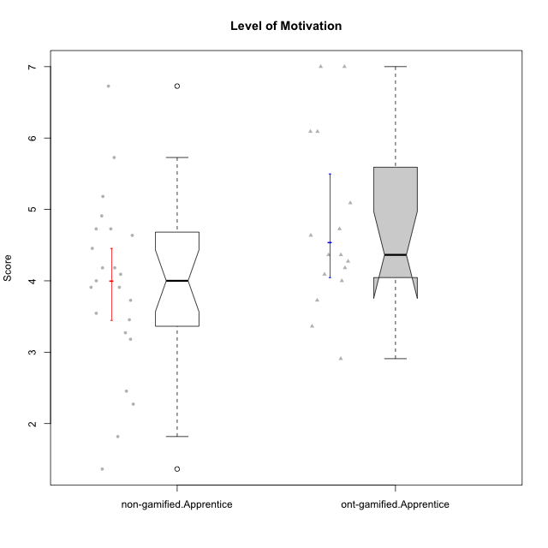

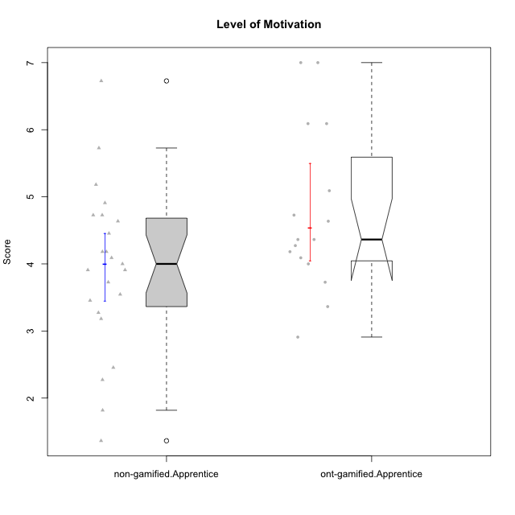

Wilcoxon data
UserID | NroUSP | Type | CLGroup | CLRole | PlayerRole | Item01A | Item04A | Item05A | Item12A | Item19A | Item20A | Item09S | Item11S | Item14S | Item24S | Item25S | Attention | Satisfaction | Level of Motivation
10169 | 10377538 | non-gamified | Grupo Team 10 | Apprentice |  | 2 | 2 | 2 | 2 | 2 | 2 | 1 | 2 | 2 | 3 | 7 | 2 | 3 | 2.4545454545
10170 | 10260351 | non-gamified | Grupo Team 6 | Apprentice |  | 4 | 5 | 4 | 5 | 5 | 3 | 4 | 5 | 4 | 6 | 6 | 4.3333333333 | 5 | 4.6363636364
10174 | 10276852 | non-gamified | Grupo Team 1 | Apprentice |  | 4 | 4 | 4 | 3 | 1 | 3 | 2 | 4 | 2 | 4 | 4 | 3.1666666667 | 3.2 | 3.1818181818
10176 | 10276949 | non-gamified | Grupo Team 9 | Apprentice |  | 3 | 3 | 3 | 3 | 3 | 3 | 3 | 6 | 3 | 3 | 3 | 3 | 3.6 | 3.2727272727
10178 | 8656201 | non-gamified | Grupo Team 11 | Apprentice |  | 4 | 5 | 5 | 5 | 5 | 5 | 4 | 5 | 4 | 5 | 5 | 4.8333333333 | 4.6 | 4.7272727273
10179 | 10310759 | ont-gamified | Grupo Tosskor | Apprentice | Yee Achiever | 4 | 4 | 4 | 4 | 4 | 4 | 2 | 4 | 3 | 6 | 6 | 4 | 4.2 | 4.0909090909
10181 | 10276866 | non-gamified | Grupo Team 7 | Apprentice |  | 5 | 5 | 4 | 5 | 1 | 4 | 3 | 5 | 5 | 3 | 3 | 4 | 3.8 | 3.9090909091
10183 | 10352030 | non-gamified | Grupo Belos | Apprentice | Yee Socializer | 4 | 2 | 3 | 3 | 5 | 2 | 3 | 3 | 4 | 5 | 4 | 3.1666666667 | 3.8 | 3.4545454545
10186 | 10310551 | non-gamified | Grupo Team 5 | Apprentice |  | 1 | 4 | 6 | 3 | 1 | 4 | 4 | 3 | 5 | 7 | 7 | 3.1666666667 | 5.2 | 4.0909090909
10187 | 9790781 | ont-gamified | Grupo Razorg | Apprentice | Yee Achiever | 6 | 4 | 4 | 4 | 4 | 5 | 5 | 4 | 5 | 5 | 5 | 4.5 | 4.8 | 4.6363636364
10189 | 9363926 | non-gamified | Grupo Team 2 | Apprentice |  | 1 | 1 | 2 | 1 | 1 | 2 | 1 | 1 | 1 | 1 | 3 | 1.3333333333 | 1.4 | 1.3636363636
10190 | 10276907 | non-gamified | Grupo Team 8 | Apprentice |  | 3 | 4 | 2 | 1 | 1 | 1 | 4 | 6 | 7 | 7 | 5 | 2 | 5.8 | 3.7272727273
10191 | 10276981 | ont-gamified | Grupo Yeka | Apprentice | Yee Socializer | 6 | 6 | 7 | 6 | 7 | 6 | 4 | 5 | 6 | 7 | 7 | 6.3333333333 | 5.8 | 6.0909090909
10192 | 10276682 | ont-gamified | Grupo Yeka | Apprentice | Yee Socializer | 7 | 7 | 7 | 7 | 7 | 7 | 7 | 7 | 7 | 7 | 7 | 7 | 7 | 7
10196 | 10310655 | non-gamified | Grupo Team 5 | Apprentice |  | 4 | 1 | 3 | 4 | 4 | 4 | 4 | 4 | 5 | 2 | 4 | 3.3333333333 | 3.8 | 3.5454545455
10198 | 10310888 | non-gamified | Grupo Team 1 | Apprentice |  | 7 | 7 | 4 | 7 | 7 | 7 | 7 | 7 | 7 | 7 | 7 | 6.5 | 7 | 6.7272727273
10200 | 9795272 | non-gamified | Grupo Team 4 | Apprentice |  | 5 | 5 | 3 | 4 | 4 | 4 | 4 | 4 | 5 | 6 | 5 | 4.1666666667 | 4.8 | 4.4545454545
10202 | 10277036 | ont-gamified | Grupo Paldira | Apprentice | Yee Achiever | 5 | 4 | 4 | 4 | 3 | 4 | 4 | 5 | 4 | 5 | 5 | 4 | 4.6 | 4.2727272727
10203 | 9921470 | ont-gamified | Grupo Paldira | Apprentice | Yee Achiever | 7 | 7 | 7 | 7 | 7 | 7 | 7 | 7 | 7 | 7 | 7 | 7 | 7 | 7
10210 | 10277015 | ont-gamified | Grupo Losvakai | Apprentice | Yee Achiever | 4 | 4 | 6 | 4 | 2 | 3 | 2 | 4 | 6 | 3 | 3 | 3.8333333333 | 3.6 | 3.7272727273
10212 | 9065750 | ont-gamified | Grupo Ellaru | Apprentice | Yee Socializer | 2 | 4 | 2 | 3 | 4 | 3 | 3 | 5 | 2 | 4 | 5 | 3 | 3.8 | 3.3636363636
10214 | 10277022 | ont-gamified | Grupo Koil | Apprentice | Yee Achiever | 4 | 5 | 5 | 4 | 5 | 4 | 3 | 4 | 4 | 5 | 5 | 4.5 | 4.2 | 4.3636363636
10215 | 9285227 | non-gamified | Grupo Team 7 | Apprentice |  | 6 | 4 | 3 | 3 | 4 | 4 | 7 | 4 | 5 | 6 | 6 | 4 | 5.6 | 4.7272727273
10218 | 9842913 | non-gamified | Grupo Team 10 | Apprentice |  | 4 | 2 | 4 | 4 | 2 | 2 | 4 | 5 | 5 | 7 | 7 | 3 | 5.6 | 4.1818181818
10219 | 10276831 | ont-gamified | Grupo Razorg | Apprentice | Yee Achiever | 1 | 1 | 4 | 5 | 4 | 3 | 4 | 3 | 2 | 2 | 3 | 3 | 2.8 | 2.9090909091
10220 | 9760151 | non-gamified | Grupo Team 4 | Apprentice |  | 1 | 1 | 1 | 1 | 1 | 4 | 7 | 7 | 7 | 7 | 7 | 1.5 | 7 | 4
10221 | 9082496 | non-gamified | Grupo Team 3 | Apprentice |  | 4 | 2 | 3 | 3 | 4 | 4 | 4 | 6 | 3 | 4 | 6 | 3.3333333333 | 4.6 | 3.9090909091
10224 | 9368772 | non-gamified | Grupo Team 9 | Apprentice |  | 4 | 7 | 5 | 5 | 5 | 5 | 4 | 4 | 6 | 6 | 6 | 5.1666666667 | 5.2 | 5.1818181818
10226 | 10310342 | ont-gamified | Grupo Yeka | Apprentice | Yee Socializer | 6 | 4 | 3 | 6 | 5 | 5 | 4 | 6 | 5 | 6 | 6 | 4.8333333333 | 5.4 | 5.0909090909
10227 | 9274382 | non-gamified | Grupo Team 2 | Apprentice |  | 7 | 5 | 4 | 6 | 5 | 6 | 6 | 6 | 6 | 6 | 6 | 5.5 | 6 | 5.7272727273
10228 | 10310492 | ont-gamified | Grupo Losvakai | Apprentice | Yee Achiever | 4 | 4 | 4 | 5 | 4 | 4 | 4 | 4 | 4 | 5 | 4 | 4.1666666667 | 4.2 | 4.1818181818
10230 | 10351992 | ont-gamified | Grupo Koil | Apprentice | Yee Achiever | 6 | 7 | 7 | 5 | 7 | 6 | 5 | 5 | 5 | 7 | 7 | 6.3333333333 | 5.8 | 6.0909090909
10232 | 10276974 | non-gamified | Grupo Team 3 | Apprentice |  | 5 | 5 | 5 | 5 | 5 | 5 | 5 | 6 | 5 | 7 | 1 | 5 | 4.8 | 4.9090909091
10233 | 9805320 | ont-gamified | Grupo Tosskor | Apprentice | Yee Achiever | 2 | 3 | 5 | 4 | 6 | 7 | 1 | 4 | 2 | 6 | 4 | 4.5 | 3.4 | 4
10234 | 10310676 | non-gamified | Grupo Team 6 | Apprentice |  | 4 | 4 | 5 | 4 | 6 | 6 | 2 | 4 | 3 | 4 | 4 | 4.8333333333 | 3.4 | 4.1818181818
10237 | 10377688 | ont-gamified | Grupo Ellaru | Apprentice | Yee Socializer | 4 | 3 | 6 | 4 | 4 | 3 | 4 | 5 | 5 | 5 | 5 | 4 | 4.8 | 4.3636363636
10238 | 10276953 | ont-gamified | Grupo Belos | Apprentice | Yee Socializer | 4 | 4 | 4 | 5 | 5 | 4 | 5 | 5 | 5 | 5 | 6 | 4.3333333333 | 5.2 | 4.7272727273
10240 | 10276654 | non-gamified | Grupo Team 8 | Apprentice |  | 2 | 2 | 2 | 2 | 2 | 2 | 2 | 4 | 2 | 3 | 2 | 2 | 2.6 | 2.2727272727
10242 | 9424506 | non-gamified | Grupo Team 11 | Apprentice |  | 1 | 1 | 1 | 1 | 1 | 1 | 1 | 1 | 1 | 7 | 4 | 1 | 2.8 | 1.8181818182

Type_CLRole_3
Wilcoxon Analysis for Level of Motivation in Type:CLRole between non-gamified.Apprentice:ont-gamified.Master

Wilcoxon test results
Alternative hypothesis: less
Group | N | Median | Mean.Ranks | Sum.Ranks | U | Z | p.value | r | magnitude
non-gamified.Apprentice | 23 | 4 | 14.608695652 | 336 | 60 | -1.4468196249 | 0.076959331197 | 0.2598564757 | small
ont-gamified.Master | 8 | 4.5909090909 | 20 | 160 | 60 | -1.4468196249 | 0.076959331197 | 0.2598564757 | small
Alternative hypothesis: greater
Group | N | Median | Mean.Ranks | Sum.Ranks | U | Z | p.value | r | magnitude
non-gamified.Apprentice | 23 | 4 | 14.608695652 | 336 | 60 | -1.4468196249 | 0.92628745456 | 0.2598564757 | small
ont-gamified.Master | 8 | 4.5909090909 | 20 | 160 | 60 | -1.4468196249 | 0.92628745456 | 0.2598564757 | small
Alternative hypothesis: two.sided
Group | N | Median | Mean.Ranks | Sum.Ranks | U | Z | p.value | r | magnitude
non-gamified.Apprentice | 23 | 4 | 14.608695652 | 336 | 60 | -1.4468196249 | 0.15396759299 | 0.2598564757 | small
ont-gamified.Master | 8 | 4.5909090909 | 20 | 160 | 60 | -1.4468196249 | 0.15396759299 | 0.2598564757 | small

Box plots for wilcoxon tests
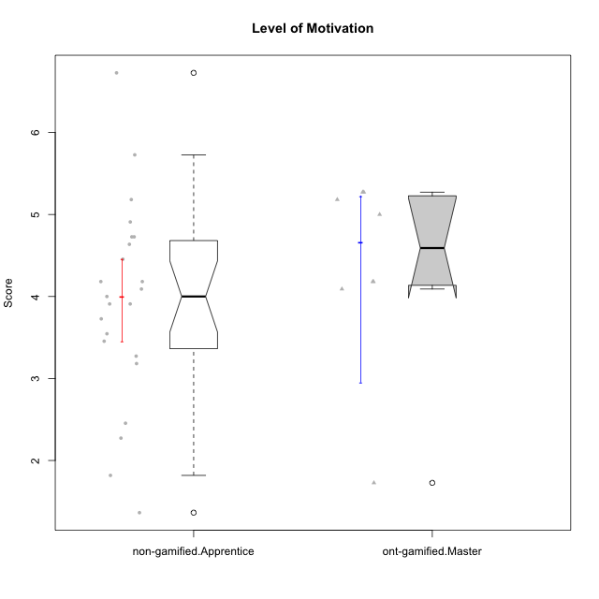

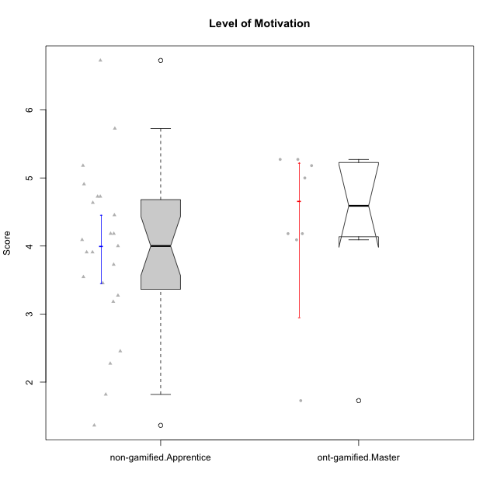

Wilcoxon data
UserID | NroUSP | Type | CLGroup | CLRole | PlayerRole | Item01A | Item04A | Item05A | Item12A | Item19A | Item20A | Item09S | Item11S | Item14S | Item24S | Item25S | Attention | Satisfaction | Level of Motivation
10169 | 10377538 | non-gamified | Grupo Team 10 | Apprentice |  | 2 | 2 | 2 | 2 | 2 | 2 | 1 | 2 | 2 | 3 | 7 | 2 | 3 | 2.4545454545
10170 | 10260351 | non-gamified | Grupo Team 6 | Apprentice |  | 4 | 5 | 4 | 5 | 5 | 3 | 4 | 5 | 4 | 6 | 6 | 4.3333333333 | 5 | 4.6363636364
10171 | 698531 | ont-gamified | Grupo Losvakai | Master | Yee Achiever | 5 | 5 | 6 | 5 | 5 | 4 | 4 | 5 | 6 | 6 | 7 | 5 | 5.6 | 5.2727272727
10172 | 10273971 | ont-gamified | Grupo Koil | Master | Yee Achiever | 6 | 6 | 6 | 4 | 5 | 5 | 4 | 5 | 4 | 5 | 5 | 5.3333333333 | 4.6 | 5
10174 | 10276852 | non-gamified | Grupo Team 1 | Apprentice |  | 4 | 4 | 4 | 3 | 1 | 3 | 2 | 4 | 2 | 4 | 4 | 3.1666666667 | 3.2 | 3.1818181818
10176 | 10276949 | non-gamified | Grupo Team 9 | Apprentice |  | 3 | 3 | 3 | 3 | 3 | 3 | 3 | 6 | 3 | 3 | 3 | 3 | 3.6 | 3.2727272727
10178 | 8656201 | non-gamified | Grupo Team 11 | Apprentice |  | 4 | 5 | 5 | 5 | 5 | 5 | 4 | 5 | 4 | 5 | 5 | 4.8333333333 | 4.6 | 4.7272727273
10181 | 10276866 | non-gamified | Grupo Team 7 | Apprentice |  | 5 | 5 | 4 | 5 | 1 | 4 | 3 | 5 | 5 | 3 | 3 | 4 | 3.8 | 3.9090909091
10183 | 10352030 | non-gamified | Grupo Belos | Apprentice | Yee Socializer | 4 | 2 | 3 | 3 | 5 | 2 | 3 | 3 | 4 | 5 | 4 | 3.1666666667 | 3.8 | 3.4545454545
10185 | 10276960 | ont-gamified | Grupo Tosskor | Master | Yee Achiever | 4 | 5 | 5 | 4 | 5 | 3 | 3 | 4 | 4 | 4 | 4 | 4.3333333333 | 3.8 | 4.0909090909
10186 | 10310551 | non-gamified | Grupo Team 5 | Apprentice |  | 1 | 4 | 6 | 3 | 1 | 4 | 4 | 3 | 5 | 7 | 7 | 3.1666666667 | 5.2 | 4.0909090909
10188 | 10276995 | ont-gamified | Grupo Paldira | Master | Yee Achiever | 4 | 5 | 4 | 5 | 3 | 4 | 4 | 4 | 4 | 5 | 4 | 4.1666666667 | 4.2 | 4.1818181818
10189 | 9363926 | non-gamified | Grupo Team 2 | Apprentice |  | 1 | 1 | 2 | 1 | 1 | 2 | 1 | 1 | 1 | 1 | 3 | 1.3333333333 | 1.4 | 1.3636363636
10190 | 10276907 | non-gamified | Grupo Team 8 | Apprentice |  | 3 | 4 | 2 | 1 | 1 | 1 | 4 | 6 | 7 | 7 | 5 | 2 | 5.8 | 3.7272727273
10196 | 10310655 | non-gamified | Grupo Team 5 | Apprentice |  | 4 | 1 | 3 | 4 | 4 | 4 | 4 | 4 | 5 | 2 | 4 | 3.3333333333 | 3.8 | 3.5454545455
10198 | 10310888 | non-gamified | Grupo Team 1 | Apprentice |  | 7 | 7 | 4 | 7 | 7 | 7 | 7 | 7 | 7 | 7 | 7 | 6.5 | 7 | 6.7272727273
10200 | 9795272 | non-gamified | Grupo Team 4 | Apprentice |  | 5 | 5 | 3 | 4 | 4 | 4 | 4 | 4 | 5 | 6 | 5 | 4.1666666667 | 4.8 | 4.4545454545
10208 | 10276932 | ont-gamified | Grupo Yeka | Master | Yee Socializer | 4 | 3 | 5 | 3 | 5 | 4 | 4 | 5 | 4 | 5 | 4 | 4 | 4.4 | 4.1818181818
10211 | 9311643 | ont-gamified | Grupo Razorg | Master | Yee Achiever | 1 | 1 | 1 | 2 | 1 | 1 | 2 | 3 | 2 | 4 | 1 | 1.1666666667 | 2.4 | 1.7272727273
10215 | 9285227 | non-gamified | Grupo Team 7 | Apprentice |  | 6 | 4 | 3 | 3 | 4 | 4 | 7 | 4 | 5 | 6 | 6 | 4 | 5.6 | 4.7272727273
10216 | 10276720 | ont-gamified | Grupo Ellaru | Master | Yee Socializer | 2 | 5 | 7 | 3 | 7 | 2 | 4 | 7 | 6 | 7 | 7 | 4.3333333333 | 6.2 | 5.1818181818
10217 | 9805341 | ont-gamified | Grupo Belos | Master | Yee Socializer | 5 | 6 | 6 | 4 | 4 | 5 | 4 | 6 | 6 | 6 | 6 | 5 | 5.6 | 5.2727272727
10218 | 9842913 | non-gamified | Grupo Team 10 | Apprentice |  | 4 | 2 | 4 | 4 | 2 | 2 | 4 | 5 | 5 | 7 | 7 | 3 | 5.6 | 4.1818181818
10220 | 9760151 | non-gamified | Grupo Team 4 | Apprentice |  | 1 | 1 | 1 | 1 | 1 | 4 | 7 | 7 | 7 | 7 | 7 | 1.5 | 7 | 4
10221 | 9082496 | non-gamified | Grupo Team 3 | Apprentice |  | 4 | 2 | 3 | 3 | 4 | 4 | 4 | 6 | 3 | 4 | 6 | 3.3333333333 | 4.6 | 3.9090909091
10224 | 9368772 | non-gamified | Grupo Team 9 | Apprentice |  | 4 | 7 | 5 | 5 | 5 | 5 | 4 | 4 | 6 | 6 | 6 | 5.1666666667 | 5.2 | 5.1818181818
10227 | 9274382 | non-gamified | Grupo Team 2 | Apprentice |  | 7 | 5 | 4 | 6 | 5 | 6 | 6 | 6 | 6 | 6 | 6 | 5.5 | 6 | 5.7272727273
10232 | 10276974 | non-gamified | Grupo Team 3 | Apprentice |  | 5 | 5 | 5 | 5 | 5 | 5 | 5 | 6 | 5 | 7 | 1 | 5 | 4.8 | 4.9090909091
10234 | 10310676 | non-gamified | Grupo Team 6 | Apprentice |  | 4 | 4 | 5 | 4 | 6 | 6 | 2 | 4 | 3 | 4 | 4 | 4.8333333333 | 3.4 | 4.1818181818
10240 | 10276654 | non-gamified | Grupo Team 8 | Apprentice |  | 2 | 2 | 2 | 2 | 2 | 2 | 2 | 4 | 2 | 3 | 2 | 2 | 2.6 | 2.2727272727
10242 | 9424506 | non-gamified | Grupo Team 11 | Apprentice |  | 1 | 1 | 1 | 1 | 1 | 1 | 1 | 1 | 1 | 7 | 4 | 1 | 2.8 | 1.8181818182

Type_CLRole_4
Wilcoxon Analysis for Level of Motivation in Type:CLRole between non-gamified.Master:ont-gamified.Apprentice

Wilcoxon test results
Alternative hypothesis: less
Group | N | Median | Mean.Ranks | Sum.Ranks | U | Z | p.value | r | magnitude
non-gamified.Master | 11 | 4.1818181818 | 12.727272727 | 140 | 74 | -0.6916943556 | 0.25171233547 | 0.1331166408 | small
ont-gamified.Apprentice | 16 | 4.3636363636 | 14.875 | 238 | 74 | -0.6916943556 | 0.25171233547 | 0.1331166408 | small
Alternative hypothesis: greater
Group | N | Median | Mean.Ranks | Sum.Ranks | U | Z | p.value | r | magnitude
non-gamified.Master | 11 | 4.1818181818 | 12.727272727 | 140 | 74 | -0.6916943556 | 0.7559757921 | 0.1331166408 | small
ont-gamified.Apprentice | 16 | 4.3636363636 | 14.875 | 238 | 74 | -0.6916943556 | 0.7559757921 | 0.1331166408 | small
Alternative hypothesis: two.sided
Group | N | Median | Mean.Ranks | Sum.Ranks | U | Z | p.value | r | magnitude
non-gamified.Master | 11 | 4.1818181818 | 12.727272727 | 140 | 74 | -0.6916943556 | 0.50346386437 | 0.1331166408 | small
ont-gamified.Apprentice | 16 | 4.3636363636 | 14.875 | 238 | 74 | -0.6916943556 | 0.50346386437 | 0.1331166408 | small

Box plots for wilcoxon tests
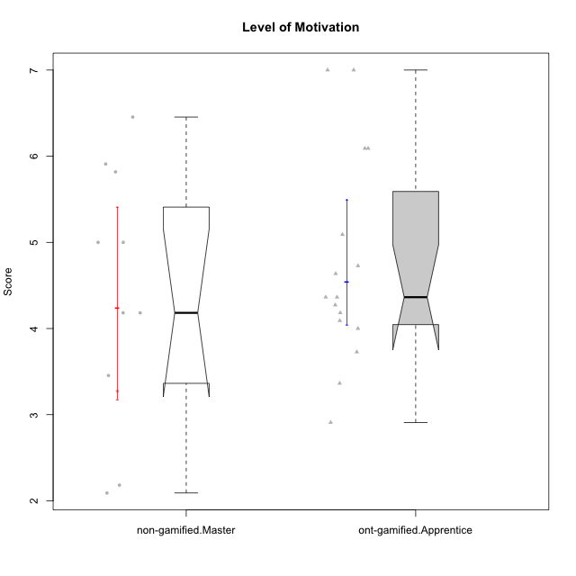

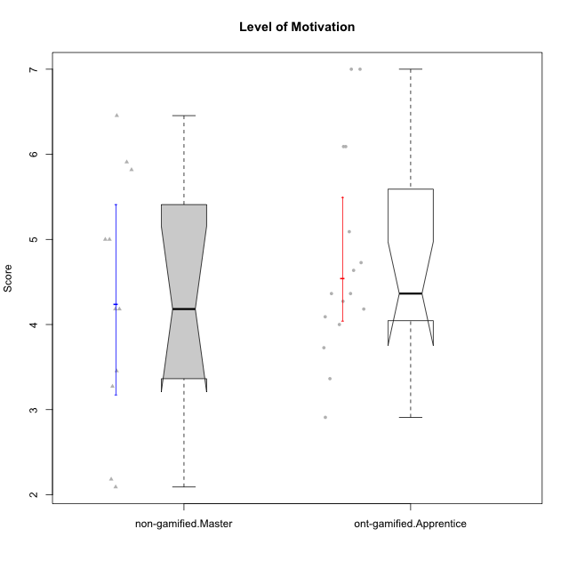

Wilcoxon data
UserID | NroUSP | Type | CLGroup | CLRole | PlayerRole | Item01A | Item04A | Item05A | Item12A | Item19A | Item20A | Item09S | Item11S | Item14S | Item24S | Item25S | Attention | Satisfaction | Level of Motivation
10175 | 10310700 | non-gamified | Grupo Team 6 | Master |  | 7 | 5 | 6 | 7 | 6 | 4 | 6 | 6 | 5 | 6 | 7 | 5.8333333333 | 6 | 5.9090909091
10179 | 10310759 | ont-gamified | Grupo Tosskor | Apprentice | Yee Achiever | 4 | 4 | 4 | 4 | 4 | 4 | 2 | 4 | 3 | 6 | 6 | 4 | 4.2 | 4.0909090909
10184 | 10276675 | non-gamified | Grupo Team 7 | Master |  | 5 | 6 | 6 | 6 | 4 | 6 | 6 | 6 | 6 | 7 | 6 | 5.5 | 6.2 | 5.8181818182
10187 | 9790781 | ont-gamified | Grupo Razorg | Apprentice | Yee Achiever | 6 | 4 | 4 | 4 | 4 | 5 | 5 | 4 | 5 | 5 | 5 | 4.5 | 4.8 | 4.6363636364
10191 | 10276981 | ont-gamified | Grupo Yeka | Apprentice | Yee Socializer | 6 | 6 | 7 | 6 | 7 | 6 | 4 | 5 | 6 | 7 | 7 | 6.3333333333 | 5.8 | 6.0909090909
10192 | 10276682 | ont-gamified | Grupo Yeka | Apprentice | Yee Socializer | 7 | 7 | 7 | 7 | 7 | 7 | 7 | 7 | 7 | 7 | 7 | 7 | 7 | 7
10193 | 10276762 | non-gamified | Grupo Team 2 | Master |  | 3 | 3 | 6 | 4 | 4 | 3 | 3 | 1 | 4 | 4 | 3 | 3.8333333333 | 3 | 3.4545454545
10197 | 10276661 | non-gamified | Grupo Team 11 | Master |  | 7 | 5 | 4 | 4 | 2 | 4 | 4 | 3 | 3 | 4 | 6 | 4.3333333333 | 4 | 4.1818181818
10201 | 10276928 | non-gamified | Grupo Team 10 | Master |  | 4 | 4 | 5 | 5 | 5 | 5 | 3 | 6 | 6 | 6 | 6 | 4.6666666667 | 5.4 | 5
10202 | 10277036 | ont-gamified | Grupo Paldira | Apprentice | Yee Achiever | 5 | 4 | 4 | 4 | 3 | 4 | 4 | 5 | 4 | 5 | 5 | 4 | 4.6 | 4.2727272727
10203 | 9921470 | ont-gamified | Grupo Paldira | Apprentice | Yee Achiever | 7 | 7 | 7 | 7 | 7 | 7 | 7 | 7 | 7 | 7 | 7 | 7 | 7 | 7
10204 | 10310471 | non-gamified | Grupo Team 5 | Master |  | 7 | 6 | 7 | 7 | 7 | 7 | 4 | 7 | 7 | 7 | 5 | 6.8333333333 | 6 | 6.4545454545
10206 | 10310721 | non-gamified | Grupo Team 9 | Master |  | 4 | 5 | 3 | 3 | 4 | 3 | 4 | 4 | 5 | 6 | 5 | 3.6666666667 | 4.8 | 4.1818181818
10209 | 10262669 | non-gamified | Grupo Team 1 | Master |  | 1 | 1 | 7 | 1 | 1 | 1 | 4 | 1 | 1 | 1 | 4 | 2 | 2.2 | 2.0909090909
10210 | 10277015 | ont-gamified | Grupo Losvakai | Apprentice | Yee Achiever | 4 | 4 | 6 | 4 | 2 | 3 | 2 | 4 | 6 | 3 | 3 | 3.8333333333 | 3.6 | 3.7272727273
10212 | 9065750 | ont-gamified | Grupo Ellaru | Apprentice | Yee Socializer | 2 | 4 | 2 | 3 | 4 | 3 | 3 | 5 | 2 | 4 | 5 | 3 | 3.8 | 3.3636363636
10213 | 10277040 | non-gamified | Grupo Team 8 | Master |  | 4 | 3 | 7 | 5 | 6 | 5 | 2 | 4 | 6 | 6 | 7 | 5 | 5 | 5
10214 | 10277022 | ont-gamified | Grupo Koil | Apprentice | Yee Achiever | 4 | 5 | 5 | 4 | 5 | 4 | 3 | 4 | 4 | 5 | 5 | 4.5 | 4.2 | 4.3636363636
10219 | 10276831 | ont-gamified | Grupo Razorg | Apprentice | Yee Achiever | 1 | 1 | 4 | 5 | 4 | 3 | 4 | 3 | 2 | 2 | 3 | 3 | 2.8 | 2.9090909091
10223 | 9795185 | non-gamified | Grupo Team 3 | Master |  | 1 | 1 | 2 | 2 | 3 | 3 | 2 | 4 | 2 | 2 | 2 | 2 | 2.4 | 2.1818181818
10226 | 10310342 | ont-gamified | Grupo Yeka | Apprentice | Yee Socializer | 6 | 4 | 3 | 6 | 5 | 5 | 4 | 6 | 5 | 6 | 6 | 4.8333333333 | 5.4 | 5.0909090909
10228 | 10310492 | ont-gamified | Grupo Losvakai | Apprentice | Yee Achiever | 4 | 4 | 4 | 5 | 4 | 4 | 4 | 4 | 4 | 5 | 4 | 4.1666666667 | 4.2 | 4.1818181818
10230 | 10351992 | ont-gamified | Grupo Koil | Apprentice | Yee Achiever | 6 | 7 | 7 | 5 | 7 | 6 | 5 | 5 | 5 | 7 | 7 | 6.3333333333 | 5.8 | 6.0909090909
10231 | 10276911 | non-gamified | Grupo Team 4 | Master |  | 3 | 4 | 4 | 2 | 2 | 2 | 1 | 3 | 4 | 6 | 5 | 2.8333333333 | 3.8 | 3.2727272727
10233 | 9805320 | ont-gamified | Grupo Tosskor | Apprentice | Yee Achiever | 2 | 3 | 5 | 4 | 6 | 7 | 1 | 4 | 2 | 6 | 4 | 4.5 | 3.4 | 4
10237 | 10377688 | ont-gamified | Grupo Ellaru | Apprentice | Yee Socializer | 4 | 3 | 6 | 4 | 4 | 3 | 4 | 5 | 5 | 5 | 5 | 4 | 4.8 | 4.3636363636
10238 | 10276953 | ont-gamified | Grupo Belos | Apprentice | Yee Socializer | 4 | 4 | 4 | 5 | 5 | 4 | 5 | 5 | 5 | 5 | 6 | 4.3333333333 | 5.2 | 4.7272727273

Type_CLRole_5
Wilcoxon Analysis for Level of Motivation in Type:CLRole between non-gamified.Master:ont-gamified.Master

Wilcoxon test results
Alternative hypothesis: less
Group | N | Median | Mean.Ranks | Sum.Ranks | U | Z | p.value | r | magnitude
non-gamified.Master | 11 | 4.1818181818 | 9.9090909091 | 109 | 43 | -0.083120941459 | 0.47565557937 | 0.019069251785 | none
ont-gamified.Master | 8 | 4.5909090909 | 10.125 | 81 | 43 | -0.083120941459 | 0.47565557937 | 0.019069251785 | none
Alternative hypothesis: greater
Group | N | Median | Mean.Ranks | Sum.Ranks | U | Z | p.value | r | magnitude
non-gamified.Master | 11 | 4.1818181818 | 9.9090909091 | 109 | 43 | -0.083120941459 | 0.54040644598 | 0.019069251785 | none
ont-gamified.Master | 8 | 4.5909090909 | 10.125 | 81 | 43 | -0.083120941459 | 0.54040644598 | 0.019069251785 | none
Alternative hypothesis: two.sided
Group | N | Median | Mean.Ranks | Sum.Ranks | U | Z | p.value | r | magnitude
non-gamified.Master | 11 | 4.1818181818 | 9.9090909091 | 109 | 43 | -0.083120941459 | 0.95172130931 | 0.019069251785 | none
ont-gamified.Master | 8 | 4.5909090909 | 10.125 | 81 | 43 | -0.083120941459 | 0.95172130931 | 0.019069251785 | none

Box plots for wilcoxon tests
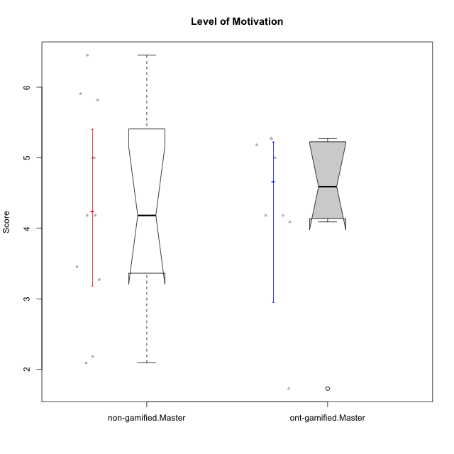

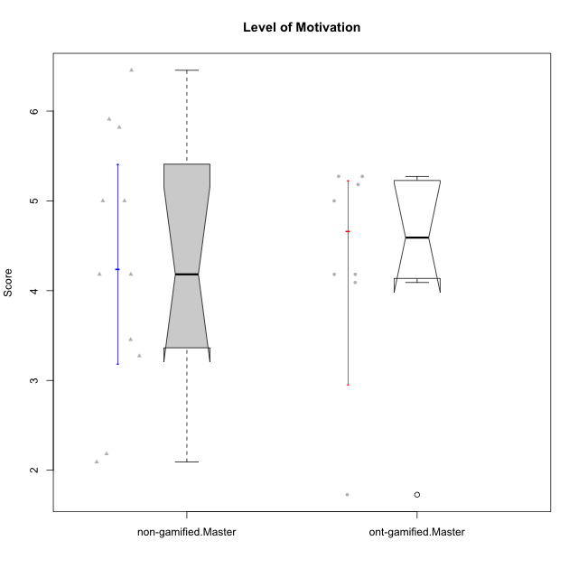

Wilcoxon data
UserID | NroUSP | Type | CLGroup | CLRole | PlayerRole | Item01A | Item04A | Item05A | Item12A | Item19A | Item20A | Item09S | Item11S | Item14S | Item24S | Item25S | Attention | Satisfaction | Level of Motivation
10171 | 698531 | ont-gamified | Grupo Losvakai | Master | Yee Achiever | 5 | 5 | 6 | 5 | 5 | 4 | 4 | 5 | 6 | 6 | 7 | 5 | 5.6 | 5.2727272727
10172 | 10273971 | ont-gamified | Grupo Koil | Master | Yee Achiever | 6 | 6 | 6 | 4 | 5 | 5 | 4 | 5 | 4 | 5 | 5 | 5.3333333333 | 4.6 | 5
10175 | 10310700 | non-gamified | Grupo Team 6 | Master |  | 7 | 5 | 6 | 7 | 6 | 4 | 6 | 6 | 5 | 6 | 7 | 5.8333333333 | 6 | 5.9090909091
10184 | 10276675 | non-gamified | Grupo Team 7 | Master |  | 5 | 6 | 6 | 6 | 4 | 6 | 6 | 6 | 6 | 7 | 6 | 5.5 | 6.2 | 5.8181818182
10185 | 10276960 | ont-gamified | Grupo Tosskor | Master | Yee Achiever | 4 | 5 | 5 | 4 | 5 | 3 | 3 | 4 | 4 | 4 | 4 | 4.3333333333 | 3.8 | 4.0909090909
10188 | 10276995 | ont-gamified | Grupo Paldira | Master | Yee Achiever | 4 | 5 | 4 | 5 | 3 | 4 | 4 | 4 | 4 | 5 | 4 | 4.1666666667 | 4.2 | 4.1818181818
10193 | 10276762 | non-gamified | Grupo Team 2 | Master |  | 3 | 3 | 6 | 4 | 4 | 3 | 3 | 1 | 4 | 4 | 3 | 3.8333333333 | 3 | 3.4545454545
10197 | 10276661 | non-gamified | Grupo Team 11 | Master |  | 7 | 5 | 4 | 4 | 2 | 4 | 4 | 3 | 3 | 4 | 6 | 4.3333333333 | 4 | 4.1818181818
10201 | 10276928 | non-gamified | Grupo Team 10 | Master |  | 4 | 4 | 5 | 5 | 5 | 5 | 3 | 6 | 6 | 6 | 6 | 4.6666666667 | 5.4 | 5
10204 | 10310471 | non-gamified | Grupo Team 5 | Master |  | 7 | 6 | 7 | 7 | 7 | 7 | 4 | 7 | 7 | 7 | 5 | 6.8333333333 | 6 | 6.4545454545
10206 | 10310721 | non-gamified | Grupo Team 9 | Master |  | 4 | 5 | 3 | 3 | 4 | 3 | 4 | 4 | 5 | 6 | 5 | 3.6666666667 | 4.8 | 4.1818181818
10208 | 10276932 | ont-gamified | Grupo Yeka | Master | Yee Socializer | 4 | 3 | 5 | 3 | 5 | 4 | 4 | 5 | 4 | 5 | 4 | 4 | 4.4 | 4.1818181818
10209 | 10262669 | non-gamified | Grupo Team 1 | Master |  | 1 | 1 | 7 | 1 | 1 | 1 | 4 | 1 | 1 | 1 | 4 | 2 | 2.2 | 2.0909090909
10211 | 9311643 | ont-gamified | Grupo Razorg | Master | Yee Achiever | 1 | 1 | 1 | 2 | 1 | 1 | 2 | 3 | 2 | 4 | 1 | 1.1666666667 | 2.4 | 1.7272727273
10213 | 10277040 | non-gamified | Grupo Team 8 | Master |  | 4 | 3 | 7 | 5 | 6 | 5 | 2 | 4 | 6 | 6 | 7 | 5 | 5 | 5
10216 | 10276720 | ont-gamified | Grupo Ellaru | Master | Yee Socializer | 2 | 5 | 7 | 3 | 7 | 2 | 4 | 7 | 6 | 7 | 7 | 4.3333333333 | 6.2 | 5.1818181818
10217 | 9805341 | ont-gamified | Grupo Belos | Master | Yee Socializer | 5 | 6 | 6 | 4 | 4 | 5 | 4 | 6 | 6 | 6 | 6 | 5 | 5.6 | 5.2727272727
10223 | 9795185 | non-gamified | Grupo Team 3 | Master |  | 1 | 1 | 2 | 2 | 3 | 3 | 2 | 4 | 2 | 2 | 2 | 2 | 2.4 | 2.1818181818
10231 | 10276911 | non-gamified | Grupo Team 4 | Master |  | 3 | 4 | 4 | 2 | 2 | 2 | 1 | 3 | 4 | 6 | 5 | 2.8333333333 | 3.8 | 3.2727272727

Type_CLRole_6
Wilcoxon Analysis for Level of Motivation in Type:CLRole between ont-gamified.Apprentice:ont-gamified.Master

Wilcoxon test results
Alternative hypothesis: less
Group | N | Median | Mean.Ranks | Sum.Ranks | U | Z | p.value | r | magnitude
ont-gamified.Apprentice | 16 | 4.3636363636 | 12.59375 | 201.5 | 65.5 | 0.092036112511 | 0.5418527719 | 0.018786792797 | none
ont-gamified.Master | 8 | 4.5909090909 | 12.3125 | 98.5 | 65.5 | 0.092036112511 | 0.5418527719 | 0.018786792797 | none
Alternative hypothesis: greater
Group | N | Median | Mean.Ranks | Sum.Ranks | U | Z | p.value | r | magnitude
ont-gamified.Apprentice | 16 | 4.3636363636 | 12.59375 | 201.5 | 65.5 | 0.092036112511 | 0.47015585931 | 0.018786792797 | none
ont-gamified.Master | 8 | 4.5909090909 | 12.3125 | 98.5 | 65.5 | 0.092036112511 | 0.47015585931 | 0.018786792797 | none
Alternative hypothesis: two.sided
Group | N | Median | Mean.Ranks | Sum.Ranks | U | Z | p.value | r | magnitude
ont-gamified.Apprentice | 16 | 4.3636363636 | 12.59375 | 201.5 | 65.5 | 0.092036112511 | 0.94026413006 | 0.018786792797 | none
ont-gamified.Master | 8 | 4.5909090909 | 12.3125 | 98.5 | 65.5 | 0.092036112511 | 0.94026413006 | 0.018786792797 | none

Box plots for wilcoxon tests
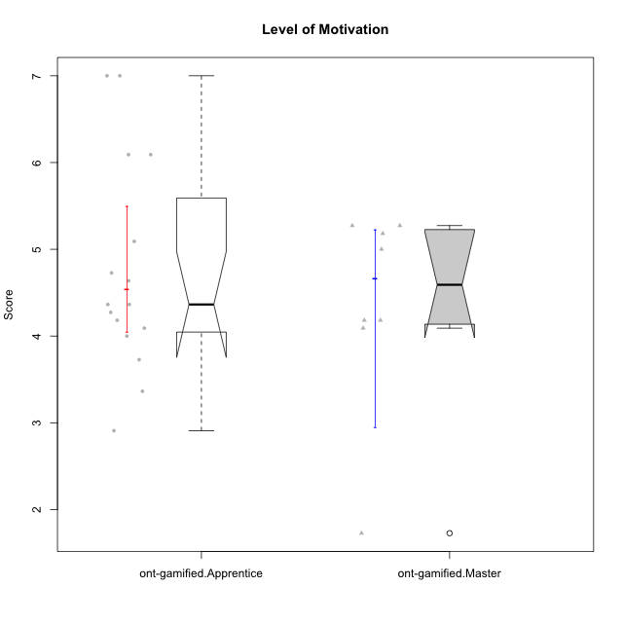

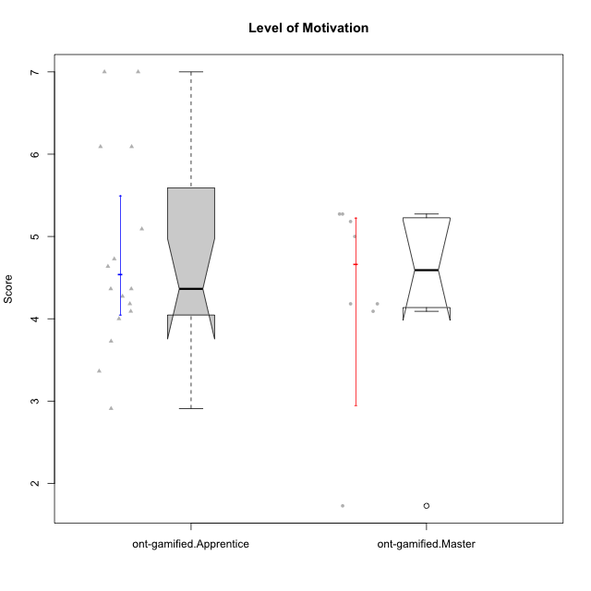

Wilcoxon data
UserID | NroUSP | Type | CLGroup | CLRole | PlayerRole | Item01A | Item04A | Item05A | Item12A | Item19A | Item20A | Item09S | Item11S | Item14S | Item24S | Item25S | Attention | Satisfaction | Level of Motivation
10171 | 698531 | ont-gamified | Grupo Losvakai | Master | Yee Achiever | 5 | 5 | 6 | 5 | 5 | 4 | 4 | 5 | 6 | 6 | 7 | 5 | 5.6 | 5.2727272727
10172 | 10273971 | ont-gamified | Grupo Koil | Master | Yee Achiever | 6 | 6 | 6 | 4 | 5 | 5 | 4 | 5 | 4 | 5 | 5 | 5.3333333333 | 4.6 | 5
10179 | 10310759 | ont-gamified | Grupo Tosskor | Apprentice | Yee Achiever | 4 | 4 | 4 | 4 | 4 | 4 | 2 | 4 | 3 | 6 | 6 | 4 | 4.2 | 4.0909090909
10185 | 10276960 | ont-gamified | Grupo Tosskor | Master | Yee Achiever | 4 | 5 | 5 | 4 | 5 | 3 | 3 | 4 | 4 | 4 | 4 | 4.3333333333 | 3.8 | 4.0909090909
10187 | 9790781 | ont-gamified | Grupo Razorg | Apprentice | Yee Achiever | 6 | 4 | 4 | 4 | 4 | 5 | 5 | 4 | 5 | 5 | 5 | 4.5 | 4.8 | 4.6363636364
10188 | 10276995 | ont-gamified | Grupo Paldira | Master | Yee Achiever | 4 | 5 | 4 | 5 | 3 | 4 | 4 | 4 | 4 | 5 | 4 | 4.1666666667 | 4.2 | 4.1818181818
10191 | 10276981 | ont-gamified | Grupo Yeka | Apprentice | Yee Socializer | 6 | 6 | 7 | 6 | 7 | 6 | 4 | 5 | 6 | 7 | 7 | 6.3333333333 | 5.8 | 6.0909090909
10192 | 10276682 | ont-gamified | Grupo Yeka | Apprentice | Yee Socializer | 7 | 7 | 7 | 7 | 7 | 7 | 7 | 7 | 7 | 7 | 7 | 7 | 7 | 7
10202 | 10277036 | ont-gamified | Grupo Paldira | Apprentice | Yee Achiever | 5 | 4 | 4 | 4 | 3 | 4 | 4 | 5 | 4 | 5 | 5 | 4 | 4.6 | 4.2727272727
10203 | 9921470 | ont-gamified | Grupo Paldira | Apprentice | Yee Achiever | 7 | 7 | 7 | 7 | 7 | 7 | 7 | 7 | 7 | 7 | 7 | 7 | 7 | 7
10208 | 10276932 | ont-gamified | Grupo Yeka | Master | Yee Socializer | 4 | 3 | 5 | 3 | 5 | 4 | 4 | 5 | 4 | 5 | 4 | 4 | 4.4 | 4.1818181818
10210 | 10277015 | ont-gamified | Grupo Losvakai | Apprentice | Yee Achiever | 4 | 4 | 6 | 4 | 2 | 3 | 2 | 4 | 6 | 3 | 3 | 3.8333333333 | 3.6 | 3.7272727273
10211 | 9311643 | ont-gamified | Grupo Razorg | Master | Yee Achiever | 1 | 1 | 1 | 2 | 1 | 1 | 2 | 3 | 2 | 4 | 1 | 1.1666666667 | 2.4 | 1.7272727273
10212 | 9065750 | ont-gamified | Grupo Ellaru | Apprentice | Yee Socializer | 2 | 4 | 2 | 3 | 4 | 3 | 3 | 5 | 2 | 4 | 5 | 3 | 3.8 | 3.3636363636
10214 | 10277022 | ont-gamified | Grupo Koil | Apprentice | Yee Achiever | 4 | 5 | 5 | 4 | 5 | 4 | 3 | 4 | 4 | 5 | 5 | 4.5 | 4.2 | 4.3636363636
10216 | 10276720 | ont-gamified | Grupo Ellaru | Master | Yee Socializer | 2 | 5 | 7 | 3 | 7 | 2 | 4 | 7 | 6 | 7 | 7 | 4.3333333333 | 6.2 | 5.1818181818
10217 | 9805341 | ont-gamified | Grupo Belos | Master | Yee Socializer | 5 | 6 | 6 | 4 | 4 | 5 | 4 | 6 | 6 | 6 | 6 | 5 | 5.6 | 5.2727272727
10219 | 10276831 | ont-gamified | Grupo Razorg | Apprentice | Yee Achiever | 1 | 1 | 4 | 5 | 4 | 3 | 4 | 3 | 2 | 2 | 3 | 3 | 2.8 | 2.9090909091
10226 | 10310342 | ont-gamified | Grupo Yeka | Apprentice | Yee Socializer | 6 | 4 | 3 | 6 | 5 | 5 | 4 | 6 | 5 | 6 | 6 | 4.8333333333 | 5.4 | 5.0909090909
10228 | 10310492 | ont-gamified | Grupo Losvakai | Apprentice | Yee Achiever | 4 | 4 | 4 | 5 | 4 | 4 | 4 | 4 | 4 | 5 | 4 | 4.1666666667 | 4.2 | 4.1818181818
10230 | 10351992 | ont-gamified | Grupo Koil | Apprentice | Yee Achiever | 6 | 7 | 7 | 5 | 7 | 6 | 5 | 5 | 5 | 7 | 7 | 6.3333333333 | 5.8 | 6.0909090909
10233 | 9805320 | ont-gamified | Grupo Tosskor | Apprentice | Yee Achiever | 2 | 3 | 5 | 4 | 6 | 7 | 1 | 4 | 2 | 6 | 4 | 4.5 | 3.4 | 4
10237 | 10377688 | ont-gamified | Grupo Ellaru | Apprentice | Yee Socializer | 4 | 3 | 6 | 4 | 4 | 3 | 4 | 5 | 5 | 5 | 5 | 4 | 4.8 | 4.3636363636
10238 | 10276953 | ont-gamified | Grupo Belos | Apprentice | Yee Socializer | 4 | 4 | 4 | 5 | 5 | 4 | 5 | 5 | 5 | 5 | 6 | 4.3333333333 | 5.2 | 4.7272727273

