Type_1
Wilcoxon Analysis for Nro. of desired interactions in Type between ont-gamified:w/o-gamified

Wilcoxon test results
Alternative hypothesis: less
Group | N | Median | Mean.Ranks | Sum.Ranks | U | Z | p.value | r | magnitude
ont-gamified | 22 | 1 | 20.068181818 | 441.5 | 188.5 | 0.045171414255 | 0.51990283607 | 0.0072332151694 | none
w/o-gamified | 17 | 1 | 19.911764706 | 338.5 | 188.5 | 0.045171414255 | 0.51990283607 | 0.0072332151694 | none
Alternative hypothesis: greater
Group | N | Median | Mean.Ranks | Sum.Ranks | U | Z | p.value | r | magnitude
ont-gamified | 22 | 1 | 20.068181818 | 441.5 | 188.5 | 0.045171414255 | 0.48626451418 | 0.0072332151694 | none
w/o-gamified | 17 | 1 | 19.911764706 | 338.5 | 188.5 | 0.045171414255 | 0.48626451418 | 0.0072332151694 | none
Alternative hypothesis: two.sided
Group | N | Median | Mean.Ranks | Sum.Ranks | U | Z | p.value | r | magnitude
ont-gamified | 22 | 1 | 20.068181818 | 441.5 | 188.5 | 0.045171414255 | 0.9688251114 | 0.0072332151694 | none
w/o-gamified | 17 | 1 | 19.911764706 | 338.5 | 188.5 | 0.045171414255 | 0.9688251114 | 0.0072332151694 | none

Box plots for wilcoxon tests
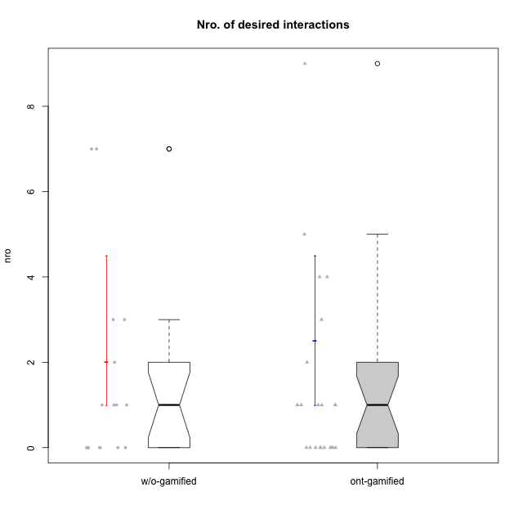

Wilcoxon data
UserID | NroUSP | Type | CLRole | PlayerRole | CLGroup | Group | ParticipationLevel | NroTotalInteractions | NroNecessaryInteractions | (1) Elaborar lista de exercícios | (2) Demonstrar a solução de um problema | (3) Enviar (ou reenviar) a solução do problema | (c) Aceitar a solução como boa | NroSolutionReviewed (Apprentice) | NroSolutionReviewed (Master) | NroSolutionWithoutReviewed (Apprentice) | NroSolutionWithoutReviewed (Master) | NroSolutionGoodReview | NroDesiredInteractions | (a) Expressar dúvidas em relação à demonstração | (b) Esclarecer as dúvidas | (d) Notificar os erros existentes na solução | (e) Apresentar dicas ou otra forma de ajuda | (f) Expressar dificuldade em resolver o problema | (g) Explicar como resolver o problema
10170 | 10260351 | w/o-gamified | Apprentice |  | Grupo11 | Grupo11 | complete | 4 | 3 | 0 | 0 | 3 | 0 | 3 | 0 | 0 | 0 | 3 | 1 | 1 | 0 | 0 | 0 | 0 | 0
10171 | 698531 | ont-gamified | Master | Social Achiever | Mafia | Mafia | complete | 13 | 4 | 1 | 1 | 0 | 2 | 0 | 4 | 0 | 0 | 0 | 9 | 0 | 0 | 2 | 7 | 0 | 0
10174 | 10276852 | w/o-gamified | Master |  | Grupo7 | Grupo7 | complete | 8 | 8 | 1 | 1 | 0 | 6 | 0 | 6 | 0 | 0 | 0 | 0 | 0 | 0 | 0 | 0 | 0 | 0
10175 | 10310700 | ont-gamified | Master | Social Achiever | Warriors | Warriors | complete | 12 | 7 | 1 | 1 | 0 | 5 | 0 | 5 | 0 | 0 | 0 | 5 | 0 | 1 | 1 | 3 | 0 | 0
10176 | 10276949 | ont-gamified | Master | Social Achiever | Outlaws | Outlaws | complete | 6 | 5 | 1 | 1 | 0 | 3 | 0 | 3 | 0 | 0 | 0 | 1 | 0 | 0 | 1 | 0 | 0 | 0
10178 | 8656201 | ont-gamified | Apprentice | Social Achiever | Outlaws | Outlaws | semicomplete | 1 | 1 | 0 | 0 | 1 | 0 | 1 | 0 | 0 | 0 | 1 | 0 | 0 | 0 | 0 | 0 | 0 | 0
10179 | 10310759 | w/o-gamified | Master |  | Grupo10 | Grupo10 | semicomplete | 15 | 8 | 1 | 1 | 0 | 6 | 0 | 9 | 0 | 1 | 0 | 7 | 0 | 1 | 2 | 2 | 0 | 2
10183 | 10352030 | w/o-gamified | Apprentice |  | Grupo3 | Grupo3 | incomplete | 2 | 1 | 0 | 0 | 1 | 0 | 0 | 0 | 1 | 0 | 0 | 1 | 1 | 0 | 0 | 0 | 0 | 0
10184 | 10276675 | w/o-gamified | Apprentice |  | Grupo10 | Grupo10 | complete | 10 | 7 | 0 | 0 | 7 | 0 | 7 | 0 | 0 | 0 | 4 | 3 | 1 | 0 | 0 | 0 | 2 | 0
10185 | 10276960 | w/o-gamified | Apprentice |  | Grupo9 | Grupo9 | incomplete | 2 | 2 | 0 | 0 | 2 | 0 | 2 | 0 | 0 | 0 | 0 | 0 | 0 | 0 | 0 | 0 | 0 | 0
10186 | 10310551 | ont-gamified | Apprentice | Social Achiever | Slayers | Slayers | semicomplete | 4 | 3 | 0 | 0 | 3 | 0 | 1 | 0 | 2 | 0 | 1 | 1 | 1 | 0 | 0 | 0 | 0 | 0
10187 | 9790781 | ont-gamified | Apprentice | Social Achiever | Mafia | Mafia | incomplete | 1 | 1 | 0 | 0 | 1 | 0 | 1 | 0 | 0 | 0 | 0 | 0 | 0 | 0 | 0 | 0 | 0 | 0
10188 | 10276995 | ont-gamified | Master | Yee Achiever | Vandals | Vandals | semicomplete | 4 | 4 | 1 | 1 | 0 | 2 | 0 | 2 | 0 | 1 | 0 | 0 | 0 | 0 | 0 | 0 | 0 | 0
10189 | 9363926 | ont-gamified | Apprentice | Social Achiever | Vikings | Vikings | incomplete | 3 | 1 | 0 | 0 | 1 | 0 | 1 | 0 | 0 | 0 | 0 | 2 | 2 | 0 | 0 | 0 | 0 | 0
10191 | 10276981 | w/o-gamified | Master |  | Grupo1 | Grupo1 | complete | 6 | 4 | 1 | 1 | 0 | 2 | 0 | 3 | 0 | 0 | 0 | 2 | 0 | 0 | 1 | 1 | 0 | 0
10192 | 10276682 | ont-gamified | Apprentice | Social Achiever | Attractive Devils | Attractive Devils | incomplete | 1 | 1 | 0 | 0 | 1 | 0 | 1 | 0 | 0 | 0 | 0 | 0 | 0 | 0 | 0 | 0 | 0 | 0
10193 | 10276762 | ont-gamified | Apprentice | Yee Achiever | Vandals | Vandals | complete | 3 | 3 | 0 | 0 | 3 | 0 | 2 | 0 | 1 | 0 | 2 | 0 | 0 | 0 | 0 | 0 | 0 | 0
10196 | 10310655 | w/o-gamified | Master |  | Grupo11 | Grupo11 | complete | 13 | 10 | 2 | 2 | 0 | 6 | 0 | 6 | 0 | 0 | 0 | 3 | 0 | 1 | 1 | 1 | 0 | 0
10197 | 10276661 | w/o-gamified | Apprentice |  | Grupo8 | Grupo8 | complete | 3 | 2 | 0 | 0 | 2 | 0 | 2 | 0 | 0 | 0 | 2 | 1 | 1 | 0 | 0 | 0 | 0 | 0
10198 | 10310888 | ont-gamified | Apprentice | Social Achiever | Attractive Devils | Attractive Devils | complete | 4 | 3 | 0 | 0 | 3 | 0 | 3 | 0 | 0 | 0 | 2 | 1 | 1 | 0 | 0 | 0 | 0 | 0
10200 | 9795272 | ont-gamified | Apprentice | Social Achiever | Warriors | Warriors | complete | 4 | 3 | 0 | 0 | 3 | 0 | 3 | 0 | 0 | 0 | 3 | 1 | 1 | 0 | 0 | 0 | 0 | 0
10201 | 10276928 | w/o-gamified | Apprentice |  | Grupo11 | Grupo11 | complete | 3 | 3 | 0 | 0 | 3 | 0 | 3 | 0 | 0 | 0 | 3 | 0 | 0 | 0 | 0 | 0 | 0 | 0
10202 | 10277036 | ont-gamified | Apprentice | Social Achiever | Silly Knights | Silly Knights | complete | 7 | 6 | 0 | 0 | 6 | 0 | 5 | 0 | 1 | 0 | 2 | 1 | 0 | 0 | 0 | 0 | 1 | 0
10203 | 9921470 | ont-gamified | Apprentice | Social Achiever | Mercenaries | Mercenaries | complete | 2 | 2 | 0 | 0 | 2 | 0 | 2 | 0 | 0 | 0 | 2 | 0 | 0 | 0 | 0 | 0 | 0 | 0
10206 | 10310721 | w/o-gamified | Apprentice |  | Grupo8 | Grupo8 | complete | 3 | 3 | 0 | 0 | 3 | 0 | 3 | 0 | 0 | 0 | 2 | 0 | 0 | 0 | 0 | 0 | 0 | 0
10208 | 10276932 | ont-gamified | Master | Social Achiever | Mercenaries | Mercenaries | complete | 6 | 6 | 1 | 1 | 0 | 4 | 0 | 3 | 0 | 0 | 0 | 0 | 0 | 0 | 0 | 0 | 0 | 0
10209 | 10262669 | ont-gamified | Apprentice | Social Achiever | Mafia | Mafia | complete | 3 | 3 | 0 | 0 | 3 | 0 | 3 | 0 | 0 | 0 | 2 | 0 | 0 | 0 | 0 | 0 | 0 | 0
10211 | 9311643 | ont-gamified | Master | Social Achiever | Attractive Devils | Attractive Devils | complete | 7 | 4 | 1 | 1 | 0 | 2 | 0 | 4 | 0 | 0 | 0 | 3 | 0 | 1 | 2 | 0 | 0 | 0
10213 | 10277040 | w/o-gamified | Apprentice |  | Grupo7 | Grupo7 | complete | 4 | 3 | 0 | 0 | 3 | 0 | 3 | 0 | 0 | 0 | 3 | 1 | 1 | 0 | 0 | 0 | 0 | 0
10214 | 10277022 | ont-gamified | Apprentice | Social Achiever | Vikings | Vikings | complete | 3 | 3 | 0 | 0 | 3 | 0 | 3 | 0 | 0 | 0 | 3 | 0 | 0 | 0 | 0 | 0 | 0 | 0
10216 | 10276720 | ont-gamified | Master | Social Achiever | Silly Knights | Silly Knights | semicomplete | 8 | 4 | 1 | 1 | 0 | 2 | 0 | 5 | 0 | 1 | 0 | 4 | 0 | 0 | 0 | 4 | 0 | 0
10217 | 9805341 | w/o-gamified | Apprentice |  | Grupo9 | Grupo9 | complete | 4 | 4 | 0 | 0 | 4 | 0 | 4 | 0 | 0 | 0 | 4 | 0 | 0 | 0 | 0 | 0 | 0 | 0
10218 | 9842913 | w/o-gamified | Apprentice |  | Grupo10 | Grupo10 | complete | 3 | 3 | 0 | 0 | 3 | 0 | 2 | 0 | 1 | 0 | 2 | 0 | 0 | 0 | 0 | 0 | 0 | 0
10219 | 10276831 | w/o-gamified | Master |  | Grupo3 | Grupo3 | semicomplete | 5 | 5 | 1 | 1 | 0 | 3 | 0 | 3 | 0 | 1 | 0 | 0 | 0 | 0 | 0 | 0 | 0 | 0
10223 | 9795185 | ont-gamified | Master | Social Achiever | Slayers | Slayers | semicomplete | 4 | 3 | 1 | 1 | 0 | 1 | 0 | 1 | 0 | 2 | 0 | 1 | 0 | 1 | 0 | 0 | 0 | 0
10230 | 10351992 | ont-gamified | Master | Social Achiever | Resistance | Resistance | complete | 9 | 5 | 1 | 1 | 0 | 3 | 0 | 2 | 0 | 0 | 0 | 4 | 0 | 0 | 2 | 2 | 0 | 0
10231 | 10276911 | w/o-gamified | Master |  | Grupo9 | Grupo9 | complete | 13 | 6 | 1 | 1 | 0 | 4 | 0 | 6 | 0 | 0 | 0 | 7 | 0 | 0 | 2 | 5 | 0 | 0
10232 | 10276974 | w/o-gamified | Apprentice |  | Grupo7 | Grupo7 | complete | 3 | 3 | 0 | 0 | 3 | 0 | 3 | 0 | 0 | 0 | 3 | 0 | 0 | 0 | 0 | 0 | 0 | 0
10237 | 10377688 | ont-gamified | Apprentice | Social Achiever | Outlaws | Outlaws | complete | 2 | 2 | 0 | 0 | 2 | 0 | 2 | 0 | 0 | 0 | 2 | 0 | 0 | 0 | 0 | 0 | 0 | 0

Type_CLRole_1
Wilcoxon Analysis for Nro. of desired interactions in Type:CLRole between ont-gamified.Apprentice:ont-gamified.Master

Wilcoxon test results
Alternative hypothesis: less
Group | N | Median | Mean.Ranks | Sum.Ranks | U | Z | p.value | r | magnitude
ont-gamified.Apprentice | 13 | 0 | 8.8461538462 | 115 | 24 | -2.4468780417 | 0.006857384102 | 0.52167615132 | large
ont-gamified.Master | 9 | 3 | 15.333333333 | 138 | 24 | -2.4468780417 | 0.006857384102 | 0.52167615132 | large
Alternative hypothesis: greater
Group | N | Median | Mean.Ranks | Sum.Ranks | U | Z | p.value | r | magnitude
ont-gamified.Apprentice | 13 | 0 | 8.8461538462 | 115 | 24 | -2.4468780417 | 0.99450363878 | 0.52167615132 | large
ont-gamified.Master | 9 | 3 | 15.333333333 | 138 | 24 | -2.4468780417 | 0.99450363878 | 0.52167615132 | large
Alternative hypothesis: two.sided
Group | N | Median | Mean.Ranks | Sum.Ranks | U | Z | p.value | r | magnitude
ont-gamified.Apprentice | 13 | 0 | 8.8461538462 | 115 | 24 | -2.4468780417 | 0.013029230831 | 0.52167615132 | large
ont-gamified.Master | 9 | 3 | 15.333333333 | 138 | 24 | -2.4468780417 | 0.013029230831 | 0.52167615132 | large

Box plots for wilcoxon tests
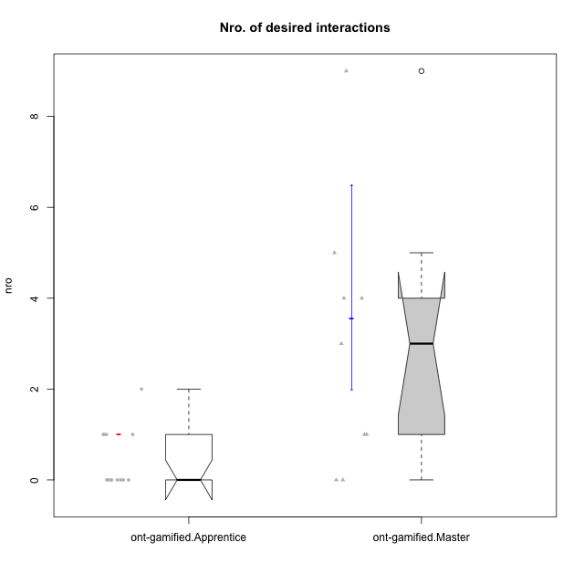

Wilcoxon data
UserID | NroUSP | Type | CLRole | PlayerRole | CLGroup | Group | ParticipationLevel | NroTotalInteractions | NroNecessaryInteractions | (1) Elaborar lista de exercícios | (2) Demonstrar a solução de um problema | (3) Enviar (ou reenviar) a solução do problema | (c) Aceitar a solução como boa | NroSolutionReviewed (Apprentice) | NroSolutionReviewed (Master) | NroSolutionWithoutReviewed (Apprentice) | NroSolutionWithoutReviewed (Master) | NroSolutionGoodReview | NroDesiredInteractions | (a) Expressar dúvidas em relação à demonstração | (b) Esclarecer as dúvidas | (d) Notificar os erros existentes na solução | (e) Apresentar dicas ou otra forma de ajuda | (f) Expressar dificuldade em resolver o problema | (g) Explicar como resolver o problema
10171 | 698531 | ont-gamified | Master | Social Achiever | Mafia | Mafia | complete | 13 | 4 | 1 | 1 | 0 | 2 | 0 | 4 | 0 | 0 | 0 | 9 | 0 | 0 | 2 | 7 | 0 | 0
10175 | 10310700 | ont-gamified | Master | Social Achiever | Warriors | Warriors | complete | 12 | 7 | 1 | 1 | 0 | 5 | 0 | 5 | 0 | 0 | 0 | 5 | 0 | 1 | 1 | 3 | 0 | 0
10176 | 10276949 | ont-gamified | Master | Social Achiever | Outlaws | Outlaws | complete | 6 | 5 | 1 | 1 | 0 | 3 | 0 | 3 | 0 | 0 | 0 | 1 | 0 | 0 | 1 | 0 | 0 | 0
10178 | 8656201 | ont-gamified | Apprentice | Social Achiever | Outlaws | Outlaws | semicomplete | 1 | 1 | 0 | 0 | 1 | 0 | 1 | 0 | 0 | 0 | 1 | 0 | 0 | 0 | 0 | 0 | 0 | 0
10186 | 10310551 | ont-gamified | Apprentice | Social Achiever | Slayers | Slayers | semicomplete | 4 | 3 | 0 | 0 | 3 | 0 | 1 | 0 | 2 | 0 | 1 | 1 | 1 | 0 | 0 | 0 | 0 | 0
10187 | 9790781 | ont-gamified | Apprentice | Social Achiever | Mafia | Mafia | incomplete | 1 | 1 | 0 | 0 | 1 | 0 | 1 | 0 | 0 | 0 | 0 | 0 | 0 | 0 | 0 | 0 | 0 | 0
10188 | 10276995 | ont-gamified | Master | Yee Achiever | Vandals | Vandals | semicomplete | 4 | 4 | 1 | 1 | 0 | 2 | 0 | 2 | 0 | 1 | 0 | 0 | 0 | 0 | 0 | 0 | 0 | 0
10189 | 9363926 | ont-gamified | Apprentice | Social Achiever | Vikings | Vikings | incomplete | 3 | 1 | 0 | 0 | 1 | 0 | 1 | 0 | 0 | 0 | 0 | 2 | 2 | 0 | 0 | 0 | 0 | 0
10192 | 10276682 | ont-gamified | Apprentice | Social Achiever | Attractive Devils | Attractive Devils | incomplete | 1 | 1 | 0 | 0 | 1 | 0 | 1 | 0 | 0 | 0 | 0 | 0 | 0 | 0 | 0 | 0 | 0 | 0
10193 | 10276762 | ont-gamified | Apprentice | Yee Achiever | Vandals | Vandals | complete | 3 | 3 | 0 | 0 | 3 | 0 | 2 | 0 | 1 | 0 | 2 | 0 | 0 | 0 | 0 | 0 | 0 | 0
10198 | 10310888 | ont-gamified | Apprentice | Social Achiever | Attractive Devils | Attractive Devils | complete | 4 | 3 | 0 | 0 | 3 | 0 | 3 | 0 | 0 | 0 | 2 | 1 | 1 | 0 | 0 | 0 | 0 | 0
10200 | 9795272 | ont-gamified | Apprentice | Social Achiever | Warriors | Warriors | complete | 4 | 3 | 0 | 0 | 3 | 0 | 3 | 0 | 0 | 0 | 3 | 1 | 1 | 0 | 0 | 0 | 0 | 0
10202 | 10277036 | ont-gamified | Apprentice | Social Achiever | Silly Knights | Silly Knights | complete | 7 | 6 | 0 | 0 | 6 | 0 | 5 | 0 | 1 | 0 | 2 | 1 | 0 | 0 | 0 | 0 | 1 | 0
10203 | 9921470 | ont-gamified | Apprentice | Social Achiever | Mercenaries | Mercenaries | complete | 2 | 2 | 0 | 0 | 2 | 0 | 2 | 0 | 0 | 0 | 2 | 0 | 0 | 0 | 0 | 0 | 0 | 0
10208 | 10276932 | ont-gamified | Master | Social Achiever | Mercenaries | Mercenaries | complete | 6 | 6 | 1 | 1 | 0 | 4 | 0 | 3 | 0 | 0 | 0 | 0 | 0 | 0 | 0 | 0 | 0 | 0
10209 | 10262669 | ont-gamified | Apprentice | Social Achiever | Mafia | Mafia | complete | 3 | 3 | 0 | 0 | 3 | 0 | 3 | 0 | 0 | 0 | 2 | 0 | 0 | 0 | 0 | 0 | 0 | 0
10211 | 9311643 | ont-gamified | Master | Social Achiever | Attractive Devils | Attractive Devils | complete | 7 | 4 | 1 | 1 | 0 | 2 | 0 | 4 | 0 | 0 | 0 | 3 | 0 | 1 | 2 | 0 | 0 | 0
10214 | 10277022 | ont-gamified | Apprentice | Social Achiever | Vikings | Vikings | complete | 3 | 3 | 0 | 0 | 3 | 0 | 3 | 0 | 0 | 0 | 3 | 0 | 0 | 0 | 0 | 0 | 0 | 0
10216 | 10276720 | ont-gamified | Master | Social Achiever | Silly Knights | Silly Knights | semicomplete | 8 | 4 | 1 | 1 | 0 | 2 | 0 | 5 | 0 | 1 | 0 | 4 | 0 | 0 | 0 | 4 | 0 | 0
10223 | 9795185 | ont-gamified | Master | Social Achiever | Slayers | Slayers | semicomplete | 4 | 3 | 1 | 1 | 0 | 1 | 0 | 1 | 0 | 2 | 0 | 1 | 0 | 1 | 0 | 0 | 0 | 0
10230 | 10351992 | ont-gamified | Master | Social Achiever | Resistance | Resistance | complete | 9 | 5 | 1 | 1 | 0 | 3 | 0 | 2 | 0 | 0 | 0 | 4 | 0 | 0 | 2 | 2 | 0 | 0
10237 | 10377688 | ont-gamified | Apprentice | Social Achiever | Outlaws | Outlaws | complete | 2 | 2 | 0 | 0 | 2 | 0 | 2 | 0 | 0 | 0 | 2 | 0 | 0 | 0 | 0 | 0 | 0 | 0

Type_CLRole_2
Wilcoxon Analysis for Nro. of desired interactions in Type:CLRole between ont-gamified.Apprentice:w/o-gamified.Apprentice

Wilcoxon test results
Alternative hypothesis: less
Group | N | Median | Mean.Ranks | Sum.Ranks | U | Z | p.value | r | magnitude
ont-gamified.Apprentice | 13 | 0 | 12.076923077 | 157 | 66 | -0.36416611203 | 0.37506730381 | 0.07433509634 | none
w/o-gamified.Apprentice | 11 | 0 | 13 | 143 | 66 | -0.36416611203 | 0.37506730381 | 0.07433509634 | none
Alternative hypothesis: greater
Group | N | Median | Mean.Ranks | Sum.Ranks | U | Z | p.value | r | magnitude
ont-gamified.Apprentice | 13 | 0 | 12.076923077 | 157 | 66 | -0.36416611203 | 0.7091465877 | 0.07433509634 | none
w/o-gamified.Apprentice | 11 | 0 | 13 | 143 | 66 | -0.36416611203 | 0.7091465877 | 0.07433509634 | none
Alternative hypothesis: two.sided
Group | N | Median | Mean.Ranks | Sum.Ranks | U | Z | p.value | r | magnitude
ont-gamified.Apprentice | 13 | 0 | 12.076923077 | 157 | 66 | -0.36416611203 | 0.80991721631 | 0.07433509634 | none
w/o-gamified.Apprentice | 11 | 0 | 13 | 143 | 66 | -0.36416611203 | 0.80991721631 | 0.07433509634 | none

Box plots for wilcoxon tests
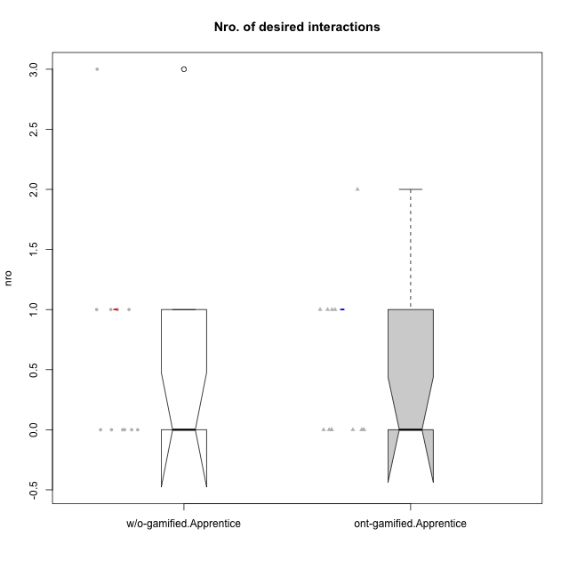

Wilcoxon data
UserID | NroUSP | Type | CLRole | PlayerRole | CLGroup | Group | ParticipationLevel | NroTotalInteractions | NroNecessaryInteractions | (1) Elaborar lista de exercícios | (2) Demonstrar a solução de um problema | (3) Enviar (ou reenviar) a solução do problema | (c) Aceitar a solução como boa | NroSolutionReviewed (Apprentice) | NroSolutionReviewed (Master) | NroSolutionWithoutReviewed (Apprentice) | NroSolutionWithoutReviewed (Master) | NroSolutionGoodReview | NroDesiredInteractions | (a) Expressar dúvidas em relação à demonstração | (b) Esclarecer as dúvidas | (d) Notificar os erros existentes na solução | (e) Apresentar dicas ou otra forma de ajuda | (f) Expressar dificuldade em resolver o problema | (g) Explicar como resolver o problema
10170 | 10260351 | w/o-gamified | Apprentice |  | Grupo11 | Grupo11 | complete | 4 | 3 | 0 | 0 | 3 | 0 | 3 | 0 | 0 | 0 | 3 | 1 | 1 | 0 | 0 | 0 | 0 | 0
10178 | 8656201 | ont-gamified | Apprentice | Social Achiever | Outlaws | Outlaws | semicomplete | 1 | 1 | 0 | 0 | 1 | 0 | 1 | 0 | 0 | 0 | 1 | 0 | 0 | 0 | 0 | 0 | 0 | 0
10183 | 10352030 | w/o-gamified | Apprentice |  | Grupo3 | Grupo3 | incomplete | 2 | 1 | 0 | 0 | 1 | 0 | 0 | 0 | 1 | 0 | 0 | 1 | 1 | 0 | 0 | 0 | 0 | 0
10184 | 10276675 | w/o-gamified | Apprentice |  | Grupo10 | Grupo10 | complete | 10 | 7 | 0 | 0 | 7 | 0 | 7 | 0 | 0 | 0 | 4 | 3 | 1 | 0 | 0 | 0 | 2 | 0
10185 | 10276960 | w/o-gamified | Apprentice |  | Grupo9 | Grupo9 | incomplete | 2 | 2 | 0 | 0 | 2 | 0 | 2 | 0 | 0 | 0 | 0 | 0 | 0 | 0 | 0 | 0 | 0 | 0
10186 | 10310551 | ont-gamified | Apprentice | Social Achiever | Slayers | Slayers | semicomplete | 4 | 3 | 0 | 0 | 3 | 0 | 1 | 0 | 2 | 0 | 1 | 1 | 1 | 0 | 0 | 0 | 0 | 0
10187 | 9790781 | ont-gamified | Apprentice | Social Achiever | Mafia | Mafia | incomplete | 1 | 1 | 0 | 0 | 1 | 0 | 1 | 0 | 0 | 0 | 0 | 0 | 0 | 0 | 0 | 0 | 0 | 0
10189 | 9363926 | ont-gamified | Apprentice | Social Achiever | Vikings | Vikings | incomplete | 3 | 1 | 0 | 0 | 1 | 0 | 1 | 0 | 0 | 0 | 0 | 2 | 2 | 0 | 0 | 0 | 0 | 0
10192 | 10276682 | ont-gamified | Apprentice | Social Achiever | Attractive Devils | Attractive Devils | incomplete | 1 | 1 | 0 | 0 | 1 | 0 | 1 | 0 | 0 | 0 | 0 | 0 | 0 | 0 | 0 | 0 | 0 | 0
10193 | 10276762 | ont-gamified | Apprentice | Yee Achiever | Vandals | Vandals | complete | 3 | 3 | 0 | 0 | 3 | 0 | 2 | 0 | 1 | 0 | 2 | 0 | 0 | 0 | 0 | 0 | 0 | 0
10197 | 10276661 | w/o-gamified | Apprentice |  | Grupo8 | Grupo8 | complete | 3 | 2 | 0 | 0 | 2 | 0 | 2 | 0 | 0 | 0 | 2 | 1 | 1 | 0 | 0 | 0 | 0 | 0
10198 | 10310888 | ont-gamified | Apprentice | Social Achiever | Attractive Devils | Attractive Devils | complete | 4 | 3 | 0 | 0 | 3 | 0 | 3 | 0 | 0 | 0 | 2 | 1 | 1 | 0 | 0 | 0 | 0 | 0
10200 | 9795272 | ont-gamified | Apprentice | Social Achiever | Warriors | Warriors | complete | 4 | 3 | 0 | 0 | 3 | 0 | 3 | 0 | 0 | 0 | 3 | 1 | 1 | 0 | 0 | 0 | 0 | 0
10201 | 10276928 | w/o-gamified | Apprentice |  | Grupo11 | Grupo11 | complete | 3 | 3 | 0 | 0 | 3 | 0 | 3 | 0 | 0 | 0 | 3 | 0 | 0 | 0 | 0 | 0 | 0 | 0
10202 | 10277036 | ont-gamified | Apprentice | Social Achiever | Silly Knights | Silly Knights | complete | 7 | 6 | 0 | 0 | 6 | 0 | 5 | 0 | 1 | 0 | 2 | 1 | 0 | 0 | 0 | 0 | 1 | 0
10203 | 9921470 | ont-gamified | Apprentice | Social Achiever | Mercenaries | Mercenaries | complete | 2 | 2 | 0 | 0 | 2 | 0 | 2 | 0 | 0 | 0 | 2 | 0 | 0 | 0 | 0 | 0 | 0 | 0
10206 | 10310721 | w/o-gamified | Apprentice |  | Grupo8 | Grupo8 | complete | 3 | 3 | 0 | 0 | 3 | 0 | 3 | 0 | 0 | 0 | 2 | 0 | 0 | 0 | 0 | 0 | 0 | 0
10209 | 10262669 | ont-gamified | Apprentice | Social Achiever | Mafia | Mafia | complete | 3 | 3 | 0 | 0 | 3 | 0 | 3 | 0 | 0 | 0 | 2 | 0 | 0 | 0 | 0 | 0 | 0 | 0
10213 | 10277040 | w/o-gamified | Apprentice |  | Grupo7 | Grupo7 | complete | 4 | 3 | 0 | 0 | 3 | 0 | 3 | 0 | 0 | 0 | 3 | 1 | 1 | 0 | 0 | 0 | 0 | 0
10214 | 10277022 | ont-gamified | Apprentice | Social Achiever | Vikings | Vikings | complete | 3 | 3 | 0 | 0 | 3 | 0 | 3 | 0 | 0 | 0 | 3 | 0 | 0 | 0 | 0 | 0 | 0 | 0
10217 | 9805341 | w/o-gamified | Apprentice |  | Grupo9 | Grupo9 | complete | 4 | 4 | 0 | 0 | 4 | 0 | 4 | 0 | 0 | 0 | 4 | 0 | 0 | 0 | 0 | 0 | 0 | 0
10218 | 9842913 | w/o-gamified | Apprentice |  | Grupo10 | Grupo10 | complete | 3 | 3 | 0 | 0 | 3 | 0 | 2 | 0 | 1 | 0 | 2 | 0 | 0 | 0 | 0 | 0 | 0 | 0
10232 | 10276974 | w/o-gamified | Apprentice |  | Grupo7 | Grupo7 | complete | 3 | 3 | 0 | 0 | 3 | 0 | 3 | 0 | 0 | 0 | 3 | 0 | 0 | 0 | 0 | 0 | 0 | 0
10237 | 10377688 | ont-gamified | Apprentice | Social Achiever | Outlaws | Outlaws | complete | 2 | 2 | 0 | 0 | 2 | 0 | 2 | 0 | 0 | 0 | 2 | 0 | 0 | 0 | 0 | 0 | 0 | 0

Type_CLRole_3
Wilcoxon Analysis for Nro. of desired interactions in Type:CLRole between ont-gamified.Apprentice:w/o-gamified.Master

Wilcoxon test results
Alternative hypothesis: less
Group | N | Median | Mean.Ranks | Sum.Ranks | U | Z | p.value | r | magnitude
ont-gamified.Apprentice | 13 | 0 | 8.4230769231 | 109.5 | 18.5 | -1.9562369918 | 0.029632905794 | 0.44879154509 | medium
w/o-gamified.Master | 6 | 2.5 | 13.416666667 | 80.5 | 18.5 | -1.9562369918 | 0.029632905794 | 0.44879154509 | medium
Alternative hypothesis: greater
Group | N | Median | Mean.Ranks | Sum.Ranks | U | Z | p.value | r | magnitude
ont-gamified.Apprentice | 13 | 0 | 8.4230769231 | 109.5 | 18.5 | -1.9562369918 | 0.97368421053 | 0.44879154509 | medium
w/o-gamified.Master | 6 | 2.5 | 13.416666667 | 80.5 | 18.5 | -1.9562369918 | 0.97368421053 | 0.44879154509 | medium
Alternative hypothesis: two.sided
Group | N | Median | Mean.Ranks | Sum.Ranks | U | Z | p.value | r | magnitude
ont-gamified.Apprentice | 13 | 0 | 8.4230769231 | 109.5 | 18.5 | -1.9562369918 | 0.037372843874 | 0.44879154509 | medium
w/o-gamified.Master | 6 | 2.5 | 13.416666667 | 80.5 | 18.5 | -1.9562369918 | 0.037372843874 | 0.44879154509 | medium

Box plots for wilcoxon tests
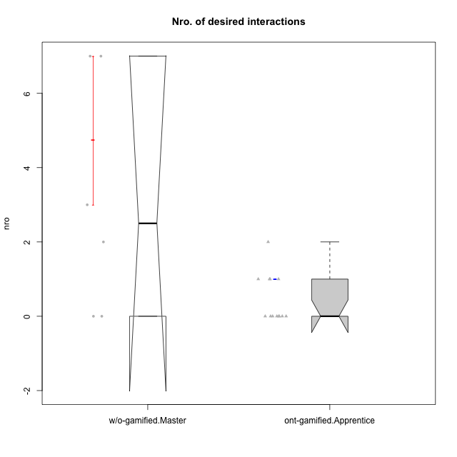

Wilcoxon data
UserID | NroUSP | Type | CLRole | PlayerRole | CLGroup | Group | ParticipationLevel | NroTotalInteractions | NroNecessaryInteractions | (1) Elaborar lista de exercícios | (2) Demonstrar a solução de um problema | (3) Enviar (ou reenviar) a solução do problema | (c) Aceitar a solução como boa | NroSolutionReviewed (Apprentice) | NroSolutionReviewed (Master) | NroSolutionWithoutReviewed (Apprentice) | NroSolutionWithoutReviewed (Master) | NroSolutionGoodReview | NroDesiredInteractions | (a) Expressar dúvidas em relação à demonstração | (b) Esclarecer as dúvidas | (d) Notificar os erros existentes na solução | (e) Apresentar dicas ou otra forma de ajuda | (f) Expressar dificuldade em resolver o problema | (g) Explicar como resolver o problema
10174 | 10276852 | w/o-gamified | Master |  | Grupo7 | Grupo7 | complete | 8 | 8 | 1 | 1 | 0 | 6 | 0 | 6 | 0 | 0 | 0 | 0 | 0 | 0 | 0 | 0 | 0 | 0
10178 | 8656201 | ont-gamified | Apprentice | Social Achiever | Outlaws | Outlaws | semicomplete | 1 | 1 | 0 | 0 | 1 | 0 | 1 | 0 | 0 | 0 | 1 | 0 | 0 | 0 | 0 | 0 | 0 | 0
10179 | 10310759 | w/o-gamified | Master |  | Grupo10 | Grupo10 | semicomplete | 15 | 8 | 1 | 1 | 0 | 6 | 0 | 9 | 0 | 1 | 0 | 7 | 0 | 1 | 2 | 2 | 0 | 2
10186 | 10310551 | ont-gamified | Apprentice | Social Achiever | Slayers | Slayers | semicomplete | 4 | 3 | 0 | 0 | 3 | 0 | 1 | 0 | 2 | 0 | 1 | 1 | 1 | 0 | 0 | 0 | 0 | 0
10187 | 9790781 | ont-gamified | Apprentice | Social Achiever | Mafia | Mafia | incomplete | 1 | 1 | 0 | 0 | 1 | 0 | 1 | 0 | 0 | 0 | 0 | 0 | 0 | 0 | 0 | 0 | 0 | 0
10189 | 9363926 | ont-gamified | Apprentice | Social Achiever | Vikings | Vikings | incomplete | 3 | 1 | 0 | 0 | 1 | 0 | 1 | 0 | 0 | 0 | 0 | 2 | 2 | 0 | 0 | 0 | 0 | 0
10191 | 10276981 | w/o-gamified | Master |  | Grupo1 | Grupo1 | complete | 6 | 4 | 1 | 1 | 0 | 2 | 0 | 3 | 0 | 0 | 0 | 2 | 0 | 0 | 1 | 1 | 0 | 0
10192 | 10276682 | ont-gamified | Apprentice | Social Achiever | Attractive Devils | Attractive Devils | incomplete | 1 | 1 | 0 | 0 | 1 | 0 | 1 | 0 | 0 | 0 | 0 | 0 | 0 | 0 | 0 | 0 | 0 | 0
10193 | 10276762 | ont-gamified | Apprentice | Yee Achiever | Vandals | Vandals | complete | 3 | 3 | 0 | 0 | 3 | 0 | 2 | 0 | 1 | 0 | 2 | 0 | 0 | 0 | 0 | 0 | 0 | 0
10196 | 10310655 | w/o-gamified | Master |  | Grupo11 | Grupo11 | complete | 13 | 10 | 2 | 2 | 0 | 6 | 0 | 6 | 0 | 0 | 0 | 3 | 0 | 1 | 1 | 1 | 0 | 0
10198 | 10310888 | ont-gamified | Apprentice | Social Achiever | Attractive Devils | Attractive Devils | complete | 4 | 3 | 0 | 0 | 3 | 0 | 3 | 0 | 0 | 0 | 2 | 1 | 1 | 0 | 0 | 0 | 0 | 0
10200 | 9795272 | ont-gamified | Apprentice | Social Achiever | Warriors | Warriors | complete | 4 | 3 | 0 | 0 | 3 | 0 | 3 | 0 | 0 | 0 | 3 | 1 | 1 | 0 | 0 | 0 | 0 | 0
10202 | 10277036 | ont-gamified | Apprentice | Social Achiever | Silly Knights | Silly Knights | complete | 7 | 6 | 0 | 0 | 6 | 0 | 5 | 0 | 1 | 0 | 2 | 1 | 0 | 0 | 0 | 0 | 1 | 0
10203 | 9921470 | ont-gamified | Apprentice | Social Achiever | Mercenaries | Mercenaries | complete | 2 | 2 | 0 | 0 | 2 | 0 | 2 | 0 | 0 | 0 | 2 | 0 | 0 | 0 | 0 | 0 | 0 | 0
10209 | 10262669 | ont-gamified | Apprentice | Social Achiever | Mafia | Mafia | complete | 3 | 3 | 0 | 0 | 3 | 0 | 3 | 0 | 0 | 0 | 2 | 0 | 0 | 0 | 0 | 0 | 0 | 0
10214 | 10277022 | ont-gamified | Apprentice | Social Achiever | Vikings | Vikings | complete | 3 | 3 | 0 | 0 | 3 | 0 | 3 | 0 | 0 | 0 | 3 | 0 | 0 | 0 | 0 | 0 | 0 | 0
10219 | 10276831 | w/o-gamified | Master |  | Grupo3 | Grupo3 | semicomplete | 5 | 5 | 1 | 1 | 0 | 3 | 0 | 3 | 0 | 1 | 0 | 0 | 0 | 0 | 0 | 0 | 0 | 0
10231 | 10276911 | w/o-gamified | Master |  | Grupo9 | Grupo9 | complete | 13 | 6 | 1 | 1 | 0 | 4 | 0 | 6 | 0 | 0 | 0 | 7 | 0 | 0 | 2 | 5 | 0 | 0
10237 | 10377688 | ont-gamified | Apprentice | Social Achiever | Outlaws | Outlaws | complete | 2 | 2 | 0 | 0 | 2 | 0 | 2 | 0 | 0 | 0 | 2 | 0 | 0 | 0 | 0 | 0 | 0 | 0

Type_CLRole_4
Wilcoxon Analysis for Nro. of desired interactions in Type:CLRole between ont-gamified.Master:w/o-gamified.Apprentice

Wilcoxon test results
Alternative hypothesis: less
Group | N | Median | Mean.Ranks | Sum.Ranks | U | Z | p.value | r | magnitude
ont-gamified.Master | 9 | 3 | 13.5 | 121.5 | 76.5 | 2.1514923815 | 0.98774708264 | 0.48108832181 | medium
w/o-gamified.Apprentice | 11 | 0 | 8.0454545455 | 88.5 | 76.5 | 2.1514923815 | 0.98774708264 | 0.48108832181 | medium
Alternative hypothesis: greater
Group | N | Median | Mean.Ranks | Sum.Ranks | U | Z | p.value | r | magnitude
ont-gamified.Master | 9 | 3 | 13.5 | 121.5 | 76.5 | 2.1514923815 | 0.017254108121 | 0.48108832181 | medium
w/o-gamified.Apprentice | 11 | 0 | 8.0454545455 | 88.5 | 76.5 | 2.1514923815 | 0.017254108121 | 0.48108832181 | medium
Alternative hypothesis: two.sided
Group | N | Median | Mean.Ranks | Sum.Ranks | U | Z | p.value | r | magnitude
ont-gamified.Master | 9 | 3 | 13.5 | 121.5 | 76.5 | 2.1514923815 | 0.033567516075 | 0.48108832181 | medium
w/o-gamified.Apprentice | 11 | 0 | 8.0454545455 | 88.5 | 76.5 | 2.1514923815 | 0.033567516075 | 0.48108832181 | medium

Box plots for wilcoxon tests


Wilcoxon data
UserID | NroUSP | Type | CLRole | PlayerRole | CLGroup | Group | ParticipationLevel | NroTotalInteractions | NroNecessaryInteractions | (1) Elaborar lista de exercícios | (2) Demonstrar a solução de um problema | (3) Enviar (ou reenviar) a solução do problema | (c) Aceitar a solução como boa | NroSolutionReviewed (Apprentice) | NroSolutionReviewed (Master) | NroSolutionWithoutReviewed (Apprentice) | NroSolutionWithoutReviewed (Master) | NroSolutionGoodReview | NroDesiredInteractions | (a) Expressar dúvidas em relação à demonstração | (b) Esclarecer as dúvidas | (d) Notificar os erros existentes na solução | (e) Apresentar dicas ou otra forma de ajuda | (f) Expressar dificuldade em resolver o problema | (g) Explicar como resolver o problema
10170 | 10260351 | w/o-gamified | Apprentice |  | Grupo11 | Grupo11 | complete | 4 | 3 | 0 | 0 | 3 | 0 | 3 | 0 | 0 | 0 | 3 | 1 | 1 | 0 | 0 | 0 | 0 | 0
10171 | 698531 | ont-gamified | Master | Social Achiever | Mafia | Mafia | complete | 13 | 4 | 1 | 1 | 0 | 2 | 0 | 4 | 0 | 0 | 0 | 9 | 0 | 0 | 2 | 7 | 0 | 0
10175 | 10310700 | ont-gamified | Master | Social Achiever | Warriors | Warriors | complete | 12 | 7 | 1 | 1 | 0 | 5 | 0 | 5 | 0 | 0 | 0 | 5 | 0 | 1 | 1 | 3 | 0 | 0
10176 | 10276949 | ont-gamified | Master | Social Achiever | Outlaws | Outlaws | complete | 6 | 5 | 1 | 1 | 0 | 3 | 0 | 3 | 0 | 0 | 0 | 1 | 0 | 0 | 1 | 0 | 0 | 0
10183 | 10352030 | w/o-gamified | Apprentice |  | Grupo3 | Grupo3 | incomplete | 2 | 1 | 0 | 0 | 1 | 0 | 0 | 0 | 1 | 0 | 0 | 1 | 1 | 0 | 0 | 0 | 0 | 0
10184 | 10276675 | w/o-gamified | Apprentice |  | Grupo10 | Grupo10 | complete | 10 | 7 | 0 | 0 | 7 | 0 | 7 | 0 | 0 | 0 | 4 | 3 | 1 | 0 | 0 | 0 | 2 | 0
10185 | 10276960 | w/o-gamified | Apprentice |  | Grupo9 | Grupo9 | incomplete | 2 | 2 | 0 | 0 | 2 | 0 | 2 | 0 | 0 | 0 | 0 | 0 | 0 | 0 | 0 | 0 | 0 | 0
10188 | 10276995 | ont-gamified | Master | Yee Achiever | Vandals | Vandals | semicomplete | 4 | 4 | 1 | 1 | 0 | 2 | 0 | 2 | 0 | 1 | 0 | 0 | 0 | 0 | 0 | 0 | 0 | 0
10197 | 10276661 | w/o-gamified | Apprentice |  | Grupo8 | Grupo8 | complete | 3 | 2 | 0 | 0 | 2 | 0 | 2 | 0 | 0 | 0 | 2 | 1 | 1 | 0 | 0 | 0 | 0 | 0
10201 | 10276928 | w/o-gamified | Apprentice |  | Grupo11 | Grupo11 | complete | 3 | 3 | 0 | 0 | 3 | 0 | 3 | 0 | 0 | 0 | 3 | 0 | 0 | 0 | 0 | 0 | 0 | 0
10206 | 10310721 | w/o-gamified | Apprentice |  | Grupo8 | Grupo8 | complete | 3 | 3 | 0 | 0 | 3 | 0 | 3 | 0 | 0 | 0 | 2 | 0 | 0 | 0 | 0 | 0 | 0 | 0
10208 | 10276932 | ont-gamified | Master | Social Achiever | Mercenaries | Mercenaries | complete | 6 | 6 | 1 | 1 | 0 | 4 | 0 | 3 | 0 | 0 | 0 | 0 | 0 | 0 | 0 | 0 | 0 | 0
10211 | 9311643 | ont-gamified | Master | Social Achiever | Attractive Devils | Attractive Devils | complete | 7 | 4 | 1 | 1 | 0 | 2 | 0 | 4 | 0 | 0 | 0 | 3 | 0 | 1 | 2 | 0 | 0 | 0
10213 | 10277040 | w/o-gamified | Apprentice |  | Grupo7 | Grupo7 | complete | 4 | 3 | 0 | 0 | 3 | 0 | 3 | 0 | 0 | 0 | 3 | 1 | 1 | 0 | 0 | 0 | 0 | 0
10216 | 10276720 | ont-gamified | Master | Social Achiever | Silly Knights | Silly Knights | semicomplete | 8 | 4 | 1 | 1 | 0 | 2 | 0 | 5 | 0 | 1 | 0 | 4 | 0 | 0 | 0 | 4 | 0 | 0
10217 | 9805341 | w/o-gamified | Apprentice |  | Grupo9 | Grupo9 | complete | 4 | 4 | 0 | 0 | 4 | 0 | 4 | 0 | 0 | 0 | 4 | 0 | 0 | 0 | 0 | 0 | 0 | 0
10218 | 9842913 | w/o-gamified | Apprentice |  | Grupo10 | Grupo10 | complete | 3 | 3 | 0 | 0 | 3 | 0 | 2 | 0 | 1 | 0 | 2 | 0 | 0 | 0 | 0 | 0 | 0 | 0
10223 | 9795185 | ont-gamified | Master | Social Achiever | Slayers | Slayers | semicomplete | 4 | 3 | 1 | 1 | 0 | 1 | 0 | 1 | 0 | 2 | 0 | 1 | 0 | 1 | 0 | 0 | 0 | 0
10230 | 10351992 | ont-gamified | Master | Social Achiever | Resistance | Resistance | complete | 9 | 5 | 1 | 1 | 0 | 3 | 0 | 2 | 0 | 0 | 0 | 4 | 0 | 0 | 2 | 2 | 0 | 0
10232 | 10276974 | w/o-gamified | Apprentice |  | Grupo7 | Grupo7 | complete | 3 | 3 | 0 | 0 | 3 | 0 | 3 | 0 | 0 | 0 | 3 | 0 | 0 | 0 | 0 | 0 | 0 | 0

Type_CLRole_5
Wilcoxon Analysis for Nro. of desired interactions in Type:CLRole between ont-gamified.Master:w/o-gamified.Master

Wilcoxon test results
Alternative hypothesis: less
Group | N | Median | Mean.Ranks | Sum.Ranks | U | Z | p.value | r | magnitude
ont-gamified.Master | 9 | 3 | 8.0555555556 | 72.5 | 27.5 | 0.059676239503 | 0.54805194805 | 0.015408338784 | none
w/o-gamified.Master | 6 | 2.5 | 7.9166666667 | 47.5 | 27.5 | 0.059676239503 | 0.54805194805 | 0.015408338784 | none
Alternative hypothesis: greater
Group | N | Median | Mean.Ranks | Sum.Ranks | U | Z | p.value | r | magnitude
ont-gamified.Master | 9 | 3 | 8.0555555556 | 72.5 | 27.5 | 0.059676239503 | 0.4963036963 | 0.015408338784 | none
w/o-gamified.Master | 6 | 2.5 | 7.9166666667 | 47.5 | 27.5 | 0.059676239503 | 0.4963036963 | 0.015408338784 | none
Alternative hypothesis: two.sided
Group | N | Median | Mean.Ranks | Sum.Ranks | U | Z | p.value | r | magnitude
ont-gamified.Master | 9 | 3 | 8.0555555556 | 72.5 | 27.5 | 0.059676239503 | 0.97482517483 | 0.015408338784 | none
w/o-gamified.Master | 6 | 2.5 | 7.9166666667 | 47.5 | 27.5 | 0.059676239503 | 0.97482517483 | 0.015408338784 | none

Box plots for wilcoxon tests
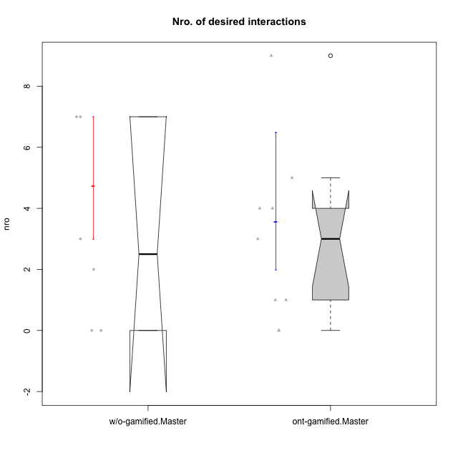

Wilcoxon data
UserID | NroUSP | Type | CLRole | PlayerRole | CLGroup | Group | ParticipationLevel | NroTotalInteractions | NroNecessaryInteractions | (1) Elaborar lista de exercícios | (2) Demonstrar a solução de um problema | (3) Enviar (ou reenviar) a solução do problema | (c) Aceitar a solução como boa | NroSolutionReviewed (Apprentice) | NroSolutionReviewed (Master) | NroSolutionWithoutReviewed (Apprentice) | NroSolutionWithoutReviewed (Master) | NroSolutionGoodReview | NroDesiredInteractions | (a) Expressar dúvidas em relação à demonstração | (b) Esclarecer as dúvidas | (d) Notificar os erros existentes na solução | (e) Apresentar dicas ou otra forma de ajuda | (f) Expressar dificuldade em resolver o problema | (g) Explicar como resolver o problema
10171 | 698531 | ont-gamified | Master | Social Achiever | Mafia | Mafia | complete | 13 | 4 | 1 | 1 | 0 | 2 | 0 | 4 | 0 | 0 | 0 | 9 | 0 | 0 | 2 | 7 | 0 | 0
10174 | 10276852 | w/o-gamified | Master |  | Grupo7 | Grupo7 | complete | 8 | 8 | 1 | 1 | 0 | 6 | 0 | 6 | 0 | 0 | 0 | 0 | 0 | 0 | 0 | 0 | 0 | 0
10175 | 10310700 | ont-gamified | Master | Social Achiever | Warriors | Warriors | complete | 12 | 7 | 1 | 1 | 0 | 5 | 0 | 5 | 0 | 0 | 0 | 5 | 0 | 1 | 1 | 3 | 0 | 0
10176 | 10276949 | ont-gamified | Master | Social Achiever | Outlaws | Outlaws | complete | 6 | 5 | 1 | 1 | 0 | 3 | 0 | 3 | 0 | 0 | 0 | 1 | 0 | 0 | 1 | 0 | 0 | 0
10179 | 10310759 | w/o-gamified | Master |  | Grupo10 | Grupo10 | semicomplete | 15 | 8 | 1 | 1 | 0 | 6 | 0 | 9 | 0 | 1 | 0 | 7 | 0 | 1 | 2 | 2 | 0 | 2
10188 | 10276995 | ont-gamified | Master | Yee Achiever | Vandals | Vandals | semicomplete | 4 | 4 | 1 | 1 | 0 | 2 | 0 | 2 | 0 | 1 | 0 | 0 | 0 | 0 | 0 | 0 | 0 | 0
10191 | 10276981 | w/o-gamified | Master |  | Grupo1 | Grupo1 | complete | 6 | 4 | 1 | 1 | 0 | 2 | 0 | 3 | 0 | 0 | 0 | 2 | 0 | 0 | 1 | 1 | 0 | 0
10196 | 10310655 | w/o-gamified | Master |  | Grupo11 | Grupo11 | complete | 13 | 10 | 2 | 2 | 0 | 6 | 0 | 6 | 0 | 0 | 0 | 3 | 0 | 1 | 1 | 1 | 0 | 0
10208 | 10276932 | ont-gamified | Master | Social Achiever | Mercenaries | Mercenaries | complete | 6 | 6 | 1 | 1 | 0 | 4 | 0 | 3 | 0 | 0 | 0 | 0 | 0 | 0 | 0 | 0 | 0 | 0
10211 | 9311643 | ont-gamified | Master | Social Achiever | Attractive Devils | Attractive Devils | complete | 7 | 4 | 1 | 1 | 0 | 2 | 0 | 4 | 0 | 0 | 0 | 3 | 0 | 1 | 2 | 0 | 0 | 0
10216 | 10276720 | ont-gamified | Master | Social Achiever | Silly Knights | Silly Knights | semicomplete | 8 | 4 | 1 | 1 | 0 | 2 | 0 | 5 | 0 | 1 | 0 | 4 | 0 | 0 | 0 | 4 | 0 | 0
10219 | 10276831 | w/o-gamified | Master |  | Grupo3 | Grupo3 | semicomplete | 5 | 5 | 1 | 1 | 0 | 3 | 0 | 3 | 0 | 1 | 0 | 0 | 0 | 0 | 0 | 0 | 0 | 0
10223 | 9795185 | ont-gamified | Master | Social Achiever | Slayers | Slayers | semicomplete | 4 | 3 | 1 | 1 | 0 | 1 | 0 | 1 | 0 | 2 | 0 | 1 | 0 | 1 | 0 | 0 | 0 | 0
10230 | 10351992 | ont-gamified | Master | Social Achiever | Resistance | Resistance | complete | 9 | 5 | 1 | 1 | 0 | 3 | 0 | 2 | 0 | 0 | 0 | 4 | 0 | 0 | 2 | 2 | 0 | 0
10231 | 10276911 | w/o-gamified | Master |  | Grupo9 | Grupo9 | complete | 13 | 6 | 1 | 1 | 0 | 4 | 0 | 6 | 0 | 0 | 0 | 7 | 0 | 0 | 2 | 5 | 0 | 0

Type_CLRole_6
Wilcoxon Analysis for Nro. of desired interactions in Type:CLRole between w/o-gamified.Apprentice:w/o-gamified.Master

Wilcoxon test results
Alternative hypothesis: less
Group | N | Median | Mean.Ranks | Sum.Ranks | U | Z | p.value | r | magnitude
w/o-gamified.Apprentice | 11 | 0 | 7.5909090909 | 83.5 | 17.5 | -1.658413911 | 0.062055591467 | 0.40222445448 | medium
w/o-gamified.Master | 6 | 2.5 | 11.583333333 | 69.5 | 17.5 | -1.658413911 | 0.062055591467 | 0.40222445448 | medium
Alternative hypothesis: greater
Group | N | Median | Mean.Ranks | Sum.Ranks | U | Z | p.value | r | magnitude
w/o-gamified.Apprentice | 11 | 0 | 7.5909090909 | 83.5 | 17.5 | -1.658413911 | 0.95814479638 | 0.40222445448 | medium
w/o-gamified.Master | 6 | 2.5 | 11.583333333 | 69.5 | 17.5 | -1.658413911 | 0.95814479638 | 0.40222445448 | medium
Alternative hypothesis: two.sided
Group | N | Median | Mean.Ranks | Sum.Ranks | U | Z | p.value | r | magnitude
w/o-gamified.Apprentice | 11 | 0 | 7.5909090909 | 83.5 | 17.5 | -1.658413911 | 0.095992243051 | 0.40222445448 | medium
w/o-gamified.Master | 6 | 2.5 | 11.583333333 | 69.5 | 17.5 | -1.658413911 | 0.095992243051 | 0.40222445448 | medium

Box plots for wilcoxon tests
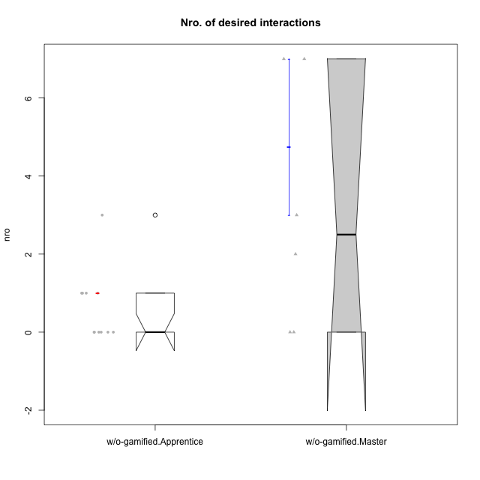

Wilcoxon data
UserID | NroUSP | Type | CLRole | PlayerRole | CLGroup | Group | ParticipationLevel | NroTotalInteractions | NroNecessaryInteractions | (1) Elaborar lista de exercícios | (2) Demonstrar a solução de um problema | (3) Enviar (ou reenviar) a solução do problema | (c) Aceitar a solução como boa | NroSolutionReviewed (Apprentice) | NroSolutionReviewed (Master) | NroSolutionWithoutReviewed (Apprentice) | NroSolutionWithoutReviewed (Master) | NroSolutionGoodReview | NroDesiredInteractions | (a) Expressar dúvidas em relação à demonstração | (b) Esclarecer as dúvidas | (d) Notificar os erros existentes na solução | (e) Apresentar dicas ou otra forma de ajuda | (f) Expressar dificuldade em resolver o problema | (g) Explicar como resolver o problema
10170 | 10260351 | w/o-gamified | Apprentice |  | Grupo11 | Grupo11 | complete | 4 | 3 | 0 | 0 | 3 | 0 | 3 | 0 | 0 | 0 | 3 | 1 | 1 | 0 | 0 | 0 | 0 | 0
10174 | 10276852 | w/o-gamified | Master |  | Grupo7 | Grupo7 | complete | 8 | 8 | 1 | 1 | 0 | 6 | 0 | 6 | 0 | 0 | 0 | 0 | 0 | 0 | 0 | 0 | 0 | 0
10179 | 10310759 | w/o-gamified | Master |  | Grupo10 | Grupo10 | semicomplete | 15 | 8 | 1 | 1 | 0 | 6 | 0 | 9 | 0 | 1 | 0 | 7 | 0 | 1 | 2 | 2 | 0 | 2
10183 | 10352030 | w/o-gamified | Apprentice |  | Grupo3 | Grupo3 | incomplete | 2 | 1 | 0 | 0 | 1 | 0 | 0 | 0 | 1 | 0 | 0 | 1 | 1 | 0 | 0 | 0 | 0 | 0
10184 | 10276675 | w/o-gamified | Apprentice |  | Grupo10 | Grupo10 | complete | 10 | 7 | 0 | 0 | 7 | 0 | 7 | 0 | 0 | 0 | 4 | 3 | 1 | 0 | 0 | 0 | 2 | 0
10185 | 10276960 | w/o-gamified | Apprentice |  | Grupo9 | Grupo9 | incomplete | 2 | 2 | 0 | 0 | 2 | 0 | 2 | 0 | 0 | 0 | 0 | 0 | 0 | 0 | 0 | 0 | 0 | 0
10191 | 10276981 | w/o-gamified | Master |  | Grupo1 | Grupo1 | complete | 6 | 4 | 1 | 1 | 0 | 2 | 0 | 3 | 0 | 0 | 0 | 2 | 0 | 0 | 1 | 1 | 0 | 0
10196 | 10310655 | w/o-gamified | Master |  | Grupo11 | Grupo11 | complete | 13 | 10 | 2 | 2 | 0 | 6 | 0 | 6 | 0 | 0 | 0 | 3 | 0 | 1 | 1 | 1 | 0 | 0
10197 | 10276661 | w/o-gamified | Apprentice |  | Grupo8 | Grupo8 | complete | 3 | 2 | 0 | 0 | 2 | 0 | 2 | 0 | 0 | 0 | 2 | 1 | 1 | 0 | 0 | 0 | 0 | 0
10201 | 10276928 | w/o-gamified | Apprentice |  | Grupo11 | Grupo11 | complete | 3 | 3 | 0 | 0 | 3 | 0 | 3 | 0 | 0 | 0 | 3 | 0 | 0 | 0 | 0 | 0 | 0 | 0
10206 | 10310721 | w/o-gamified | Apprentice |  | Grupo8 | Grupo8 | complete | 3 | 3 | 0 | 0 | 3 | 0 | 3 | 0 | 0 | 0 | 2 | 0 | 0 | 0 | 0 | 0 | 0 | 0
10213 | 10277040 | w/o-gamified | Apprentice |  | Grupo7 | Grupo7 | complete | 4 | 3 | 0 | 0 | 3 | 0 | 3 | 0 | 0 | 0 | 3 | 1 | 1 | 0 | 0 | 0 | 0 | 0
10217 | 9805341 | w/o-gamified | Apprentice |  | Grupo9 | Grupo9 | complete | 4 | 4 | 0 | 0 | 4 | 0 | 4 | 0 | 0 | 0 | 4 | 0 | 0 | 0 | 0 | 0 | 0 | 0
10218 | 9842913 | w/o-gamified | Apprentice |  | Grupo10 | Grupo10 | complete | 3 | 3 | 0 | 0 | 3 | 0 | 2 | 0 | 1 | 0 | 2 | 0 | 0 | 0 | 0 | 0 | 0 | 0
10219 | 10276831 | w/o-gamified | Master |  | Grupo3 | Grupo3 | semicomplete | 5 | 5 | 1 | 1 | 0 | 3 | 0 | 3 | 0 | 1 | 0 | 0 | 0 | 0 | 0 | 0 | 0 | 0
10231 | 10276911 | w/o-gamified | Master |  | Grupo9 | Grupo9 | complete | 13 | 6 | 1 | 1 | 0 | 4 | 0 | 6 | 0 | 0 | 0 | 7 | 0 | 0 | 2 | 5 | 0 | 0
10232 | 10276974 | w/o-gamified | Apprentice |  | Grupo7 | Grupo7 | complete | 3 | 3 | 0 | 0 | 3 | 0 | 3 | 0 | 0 | 0 | 3 | 0 | 0 | 0 | 0 | 0 | 0 | 0

