Assumptions
ANOVA assumptions for Attention Score

Shapiro-Wilk normality test for Attention Score
W | p.value
0.98403408517 | 0.8797813804

Plots for normality test
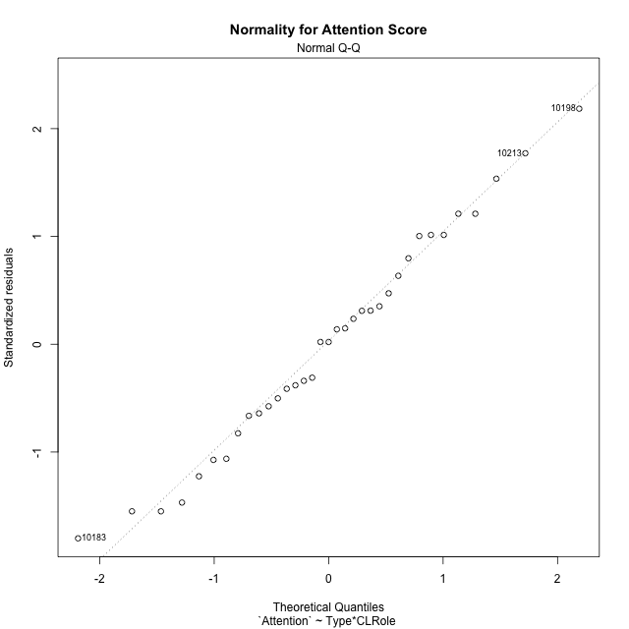

Levene's Test for Homogeneity of Variance in Attention Score
Df | F value | Pr(>F)
3 | 1.6158596431 | 0.20571814968
31

Plots for homogeneity of variance
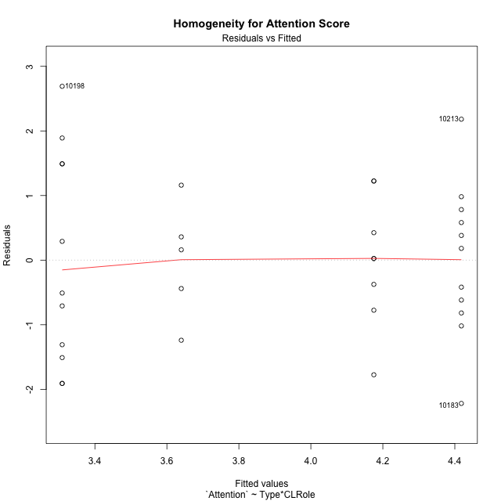

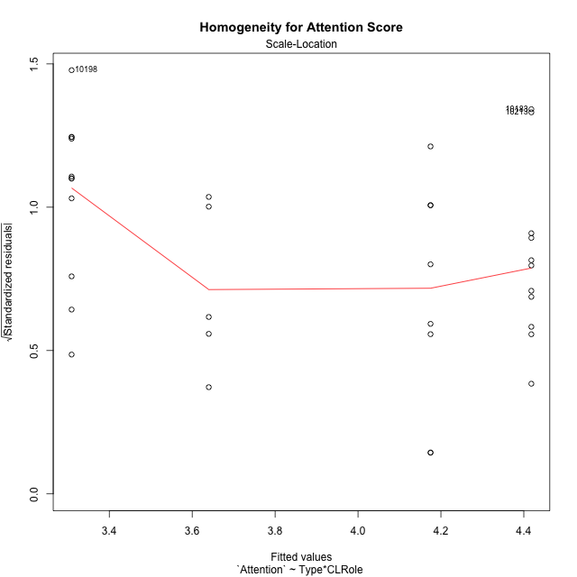

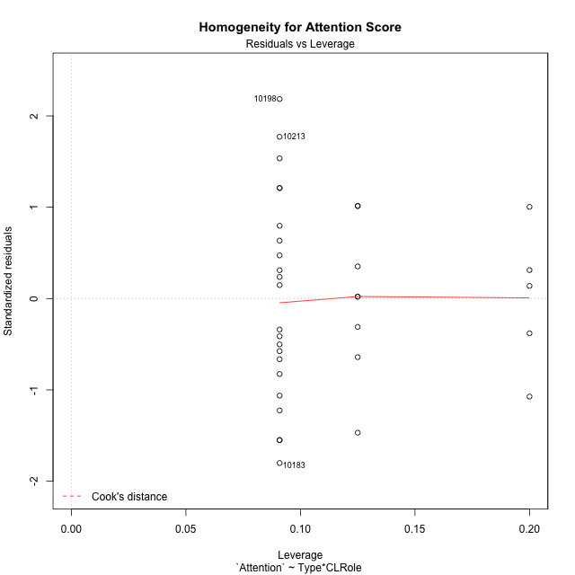

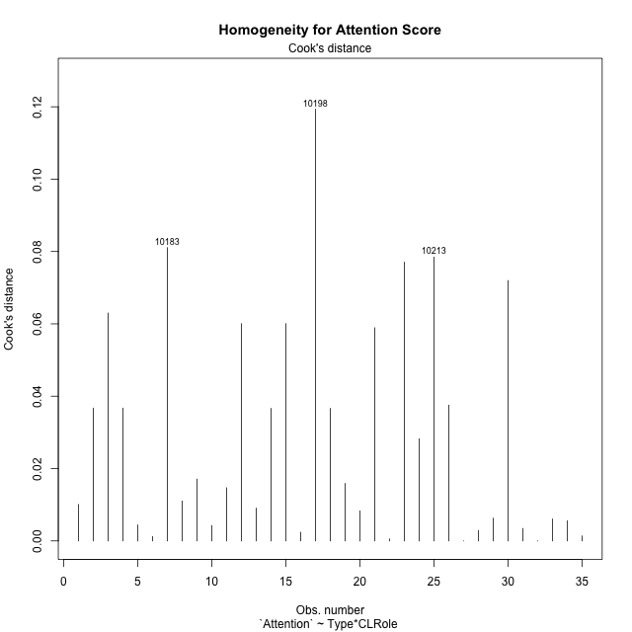

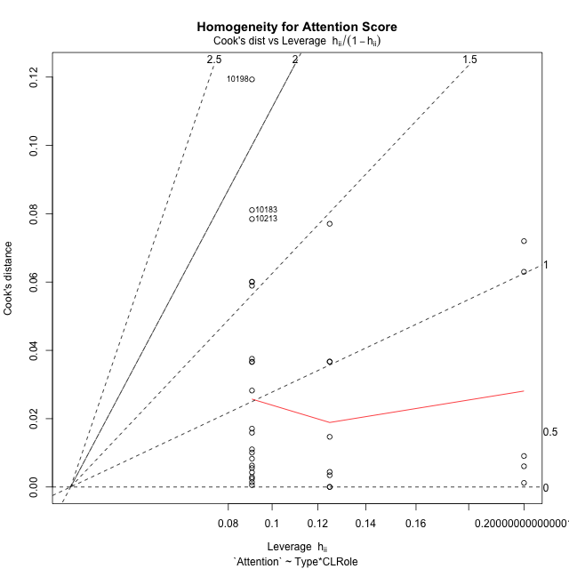

Minimum Sample Size Test for Attention Score
Type | CLRole | Freq
ont-gamified | Apprentice | 11
w/o-gamified | Apprentice | 11
ont-gamified | Master | 8
w/o-gamified | Master | 5

Errors and Warnings in Sample Size Test for ANOVA in Attention Score
code | description
WARN: sample.size | current size is 11 and recommended size is 15 for the group: 'ont-gamified:Apprentice'.
WARN: sample.size | current size is 11 and recommended size is 15 for the group: 'w/o-gamified:Apprentice'.
WARN: sample.size | current size is 8 and recommended size is 15 for the group: 'ont-gamified:Master'.
WARN: sample.size | current size is 5 and recommended size is 15 for the group: 'w/o-gamified:Master'.

For the group: 'ont-gamified:Apprentice', we recommend the use of non-parametric test. For the group: 'w/o-gamified:Apprentice', we recommend the use of non-parametric test. For the group: 'ont-gamified:Master', we recommend the use of non-parametric test. For the group: 'w/o-gamified:Master', we recommend the use of non-parametric test.

If you don't want to remove non-normal data, you must cite the following references: ... (1) Lix, L.M., J.C. Keselman, and H.J. Keselman. 1996. Consequences of assumption violations revisited: A quantitative review of alternatives to the one-way analysis of variance F test. Rev. Educ. Res. 66: 579-619. ... (2) Harwell, M.R., E.N. Rubinstein, W.S. Hayes, and C.C. Olds. 1992. Summarizing Monte Carlo results in methodological research: the one- and two-factor fixed effects ANOVA cases. J. Educ. Stat. 17: 315-339.

Post-hoc
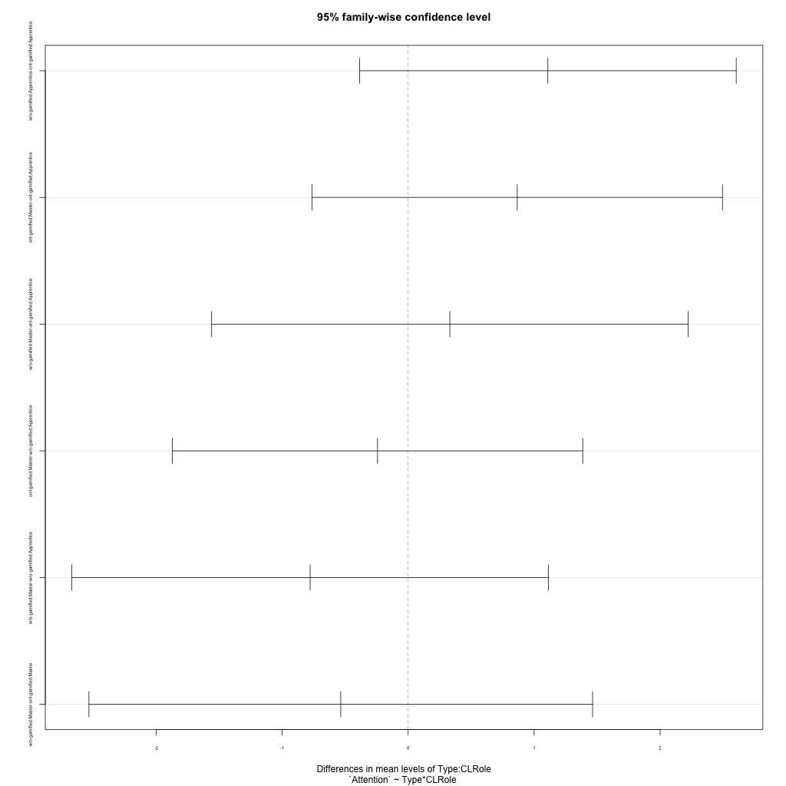
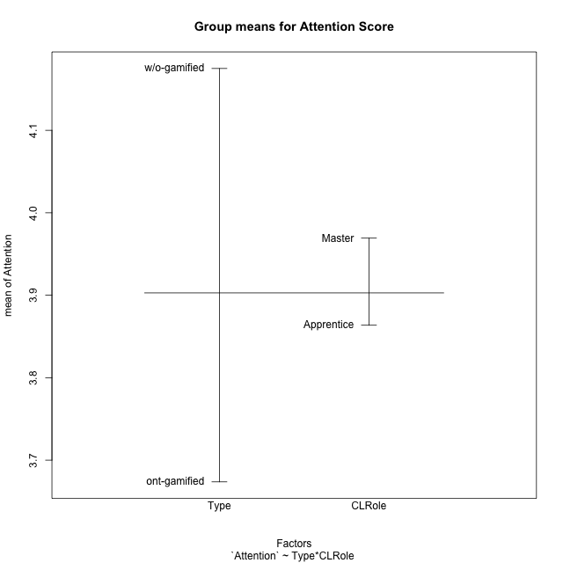
Post-hoc Tukey Honestly Significant Difference (HSD) Test for Attention Score

Comparisons of means for Type
 | diff | lwr | upr | p adj
w/o-gamified-ont-gamified | 0.50131578947 | -0.39265740916 | 1.3952889881 | 0.26150180573

Comparisons of means for CLRole
 | diff | lwr | upr | p adj
Master-Apprentice | 0.16343853515 | -0.75823745475 | 1.085114525 | 0.72005823425

Comparisons of means for Type:CLRole
 | diff | lwr | upr | p adj
w/o-gamified:Apprentice-ont-gamified:Apprentice | 1.1090909091 | -0.38590744734 | 2.6040892655 | 0.20494681281
ont-gamified:Master-ont-gamified:Apprentice | 0.86590909091 | -0.7632275982 | 2.49504578 | 0.48336005904
w/o-gamified:Master-ont-gamified:Apprentice | 0.33090909091 | -1.5601308709 | 2.2219490527 | 0.96404821754
ont-gamified:Master-w/o-gamified:Apprentice | -0.24318181818 | -1.8723185073 | 1.3859548709 | 0.97712607409
w/o-gamified:Master-w/o-gamified:Apprentice | -0.77818181818 | -2.66922178 | 1.1128581436 | 0.68205832622
w/o-gamified:Master-ont-gamified:Master | -0.535 | -2.5337742252 | 1.4637742252 | 0.88575777442

Contrast Matrices for Attention Score - Type
contrast | estimate | SE | df | t.ratio | p.value
ont-gamified - w/o-gamified | -0.28704545455 | 0.45982946132 | 31 | -0.62424328733 | 0.53703515171

Contrast Matrices for Attention Score - Type:CLRole
contrast | CLRole | estimate | SE | df | t.ratio | p.value
ont-gamified - w/o-gamified | Apprentice | -1.1090909091 | 0.55083223915 | 31 | -2.0134822007 | 0.052815235905
ont-gamified - w/o-gamified | Master | 0.535 | 0.73644848992 | 31 | 0.72645949761 | 0.47300718248

Least Squares Means and Confidence Intervals for Type
Type | lsmean | SE | df | lower.CL | upper.CL | Pairs
ont-gamified | 3.7420454545 | 0.30012775816 | 31 | 3.1299308561 | 4.354160053 | ont-gamified
w/o-gamified | 4.0290909091 | 0.34837689688 | 31 | 3.3185715435 | 4.7396102747 | w/o-gamified

Least Squares Means and Confidence Intervals for Type:CLRole
Type | CLRole | lsmean | SE | df | lower.CL | upper.CL | Pairs
ont-gamified | Apprentice | 3.3090909091 | 0.3894972116 | 31 | 2.5147061087 | 4.1034757095 | ont-gamified.Apprentice
w/o-gamified | Apprentice | 4.4181818182 | 0.3894972116 | 31 | 3.6237970178 | 5.2125666186 | w/o-gamified.Apprentice
ont-gamified | Master | 4.175 | 0.45672596493 | 31 | 3.2435012532 | 5.1064987468 | ont-gamified.Master
w/o-gamified | Master | 3.64 | 0.57771772628 | 31 | 2.461736929 | 4.818263071 | w/o-gamified.Master

Plots

Type_1
Student's t-Test for Attention Score in Type between ont-gamified:w/o-gamified

Student's t-Test results
Alternative hypothesis: less
Group | N | Mean | Mean.Difference | Std.deviation | Std.error | CI.lower | CI.upper | df | t.value | p.value | g | magnitude
ont-gamified | 19 | 3.6736842105 | -0.50131578947 | 1.4517583612 | 0.33305620983 | 3.0075717909 | 4.3397966302 | 32.850059698 | -1.1454303178 | 0.13015369442 | -0.3717744895 | small
w/o-gamified | 16 | 4.175 | 0.50131578947 | 1.1357816692 | 0.28394541729 | 3.6071091654 | 4.7428908346 | 32.850059698 | -1.1454303178 | 0.13015369442 | -0.3717744895 | small
Alternative hypothesis: greater
Group | N | Mean | Mean.Difference | Std.deviation | Std.error | CI.lower | CI.upper | df | t.value | p.value | g | magnitude
ont-gamified | 19 | 3.6736842105 | -0.50131578947 | 1.4517583612 | 0.33305620983 | 3.0075717909 | 4.3397966302 | 32.850059698 | -1.1454303178 | 0.86984630558 | -0.3717744895 | small
w/o-gamified | 16 | 4.175 | 0.50131578947 | 1.1357816692 | 0.28394541729 | 3.6071091654 | 4.7428908346 | 32.850059698 | -1.1454303178 | 0.86984630558 | -0.3717744895 | small
Alternative hypothesis: two.sided
Group | N | Mean | Mean.Difference | Std.deviation | Std.error | CI.lower | CI.upper | df | t.value | p.value | g | magnitude
ont-gamified | 19 | 3.6736842105 | -0.50131578947 | 1.4517583612 | 0.33305620983 | 3.0075717909 | 4.3397966302 | 32.850059698 | -1.1454303178 | 0.26030738883 | -0.3717744895 | small
w/o-gamified | 16 | 4.175 | 0.50131578947 | 1.1357816692 | 0.28394541729 | 3.6071091654 | 4.7428908346 | 32.850059698 | -1.1454303178 | 0.26030738883 | -0.3717744895 | small

Box plots for Student's t-Test
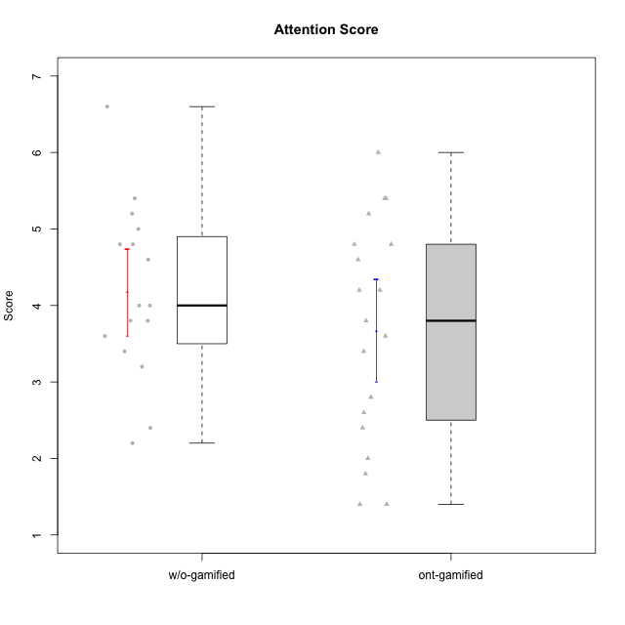

Student's t-Test data
UserID | Type | CLGroup | CLRole | PlayerRole | NroUSP | Item09IE | Item21IE | Item08IE | Item11IE | Item24IE | Item12IE | Item05PC | Item18PC | Item20PC | Item13PC | Item03PC | Item06PT | Item02PT | Item04PT | Item19EI | Item01EI | Item22EI | Item20A | Item25A | Item18A | Item07A | Item04A | Item01S | Item02S | Item09R | Item06R | Item12R | Interest/Enjoyment | Perceived Choice | Pressure/Tension | Effort/Importance | Attention | Relevance | Satisfaction | Intrinsic Motivation | Level of Motivation
10170 | w/o-gamified | Grupo11 | Apprentice |  | 10260351 | 4 | 4 | 6 | 4 | 4 | 3 | 2 | 1 | 3 | 2 | 3 | 1 | 1 | 1 | 3 | 3 | 5 | 6 | 5 | 6 | 5 | 4 | 4 | 4 | 2 | 1 | 6 | 4.1666666667 | 5.8 | 1 | 5 | 5.2 | 6.3333333333 | 4 | 5.2941176471 | 5.3
10171 | ont-gamified | Mafia | Master | Social Achiever | 698531 | 6 | 7 | 6 | 6 | 5 | 5 | 2 | 2 | 1 | 2 | 2 | 1 | 2 | 2 | 1 | 1 | 6 | 6 | 5 | 6 | 5 | 5 | 6 | 6 | 2 | 2 | 7 | 5.8333333333 | 6.2 | 1.6666666667 | 6.6666666667 | 5.4 | 6.3333333333 | 6 | 6.1764705882 | 5.8
10174 | w/o-gamified | Grupo7 | Master |  | 10276852 | 4 | 4 | 6 | 4 | 6 | 3 | 4 | 3 | 4 | 4 | 4 | 6 | 4 | 5 | 2 | 5 | 4 | 4 | 4 | 5 | 6 | 5 | 6 | 5 | 6 | 5 | 4 | 4.5 | 4.2 | 5 | 4.3333333333 | 4.8 | 3 | 5.5 | 4.1176470588 | 4.4
10175 | ont-gamified | Warriors | Master | Social Achiever | 10310700 | 4 | 4 | 4 | 4 | 4 | 4 | 1 | 1 | 1 | 1 | 3 | 1 | 1 | 1 | 1 | 1 | 4 | 5 | 5 | 5 | 6 | 6 | 6 | 6 | 2 | 1 | 7 | 4 | 6.6 | 1 | 6 | 5.4 | 6.6666666667 | 6 | 5.6470588235 | 5.9
10176 | ont-gamified | Outlaws | Master | Social Achiever | 10276949 | 4 | 4 | 4 | 4 | 4 | 3 | 4 | 5 | 4 | 6 | 4 | 6 | 4 | 6 | 5 | 4 | 4 | 5 | 5 | 5 | 4 | 4 | 4 | 4 | 4 | 4 | 4 | 3.8333333333 | 3.4 | 5.3333333333 | 3.6666666667 | 4.6 | 4 | 4 | 3.4705882353 | 4.3
10179 | w/o-gamified | Grupo10 | Master |  | 10310759 | 3 | 4 | 3 | 2 | 4 | 6 | 6 | 5 | 4 | 5 | 7 | 2 | 1 | 1 | 1 | 2 | 5 | 4 | 4 | 4 | 2 | 5 | 3 | 4 | 4 | 2 | 4 | 3.6666666667 | 2.6 | 1.3333333333 | 6 | 3.8 | 4.6666666667 | 3.5 | 4.2941176471 | 4
10183 | w/o-gamified | Grupo3 | Apprentice |  | 10352030 | 3 | 3 | 3 | 3 | 2 | 3 | 4 | 3 | 5 | 2 | 4 | 5 | 4 | 4 | 3 | 4 | 4 | 2 | 2 | 2 | 2 | 3 | 2 | 2 | 5 | 2 | 3 | 2.8333333333 | 4.4 | 4.3333333333 | 4.3333333333 | 2.2 | 4 | 2 | 3.7058823529 | 2.7
10184 | w/o-gamified | Grupo10 | Apprentice |  | 10276675 | 4 | 3 | 4 | 4 | 4 | 4 | 5 | 4 | 4 | 3 | 4 | 4 | 4 | 3 | 4 | 4 | 4 | 4 | 4 | 4 | 2 | 4 | 6 | 4 | 4 | 4 | 4 | 3.8333333333 | 4 | 3.6666666667 | 4 | 3.6 | 4 | 5 | 4 | 4
10185 | w/o-gamified | Grupo9 | Apprentice |  | 10276960 | 4 | 3 | 6 | 5 | 6 | 5 | 6 | 6 | 3 | 5 | 3 | 5 | 4 | 4 | 3 | 4 | 5 | 3 | 5 | 3 | 4 | 2 | 4 | 5 | 5 | 3 | 3 | 4.8333333333 | 3.4 | 4.3333333333 | 4.6666666667 | 3.4 | 3.6666666667 | 4.5 | 4.1764705882 | 3.7
10186 | ont-gamified | Slayers | Apprentice | Social Achiever | 10310551 | 4 | 3 | 6 | 6 | 3 | 1 | 4 | 4 | 1 | 4 | 4 | 4 | 5 | 4 | 1 | 1 | 7 | 4 | 1 | 4 | 1 | 4 | 7 | 7 | 3 | 1 | 6 | 3.8333333333 | 4.6 | 4.3333333333 | 7 | 2.8 | 6 | 7 | 4.5882352941 | 4.6
10188 | ont-gamified | Vandals | Master | Yee Achiever | 10276995 | 3 | 3 | 4 | 1 | 3 | 4 | 1 | 1 | 1 | 3 | 3 | 1 | 1 | 1 | 3 | 2 | 1 | 3 | 4 | 4 | 2 | 4 | 3 | 3 | 2 | 2 | 4 | 3 | 6.2 | 1 | 4 | 3.4 | 5.3333333333 | 3 | 4.8235294118 | 3.9
10189 | ont-gamified | Vikings | Apprentice | Social Achiever | 9363926 | 2 | 2 | 4 | 1 | 2 | 1 | 5 | 4 | 4 | 5 | 5 | 2 | 1 | 1 | 3 | 1 | 6 | 1 | 1 | 2 | 1 | 2 | 3 | 2 | 6 | 1 | 4 | 2 | 3.4 | 1.3333333333 | 6 | 1.4 | 4.3333333333 | 2.5 | 3.9411764706 | 2.5
10191 | w/o-gamified | Grupo1 | Master |  | 10276981 | 3 | 2 | 3 | 3 | 2 | 1 | 5 | 4 | 5 | 5 | 5 | 1 | 1 | 1 | 4 | 2 | 4 | 2 | 4 | 2 | 4 | 4 | 4 | 4 | 3 | 2 | 3 | 2.3333333333 | 3.2 | 1 | 4.6666666667 | 3.2 | 4.6666666667 | 4 | 3.8235294118 | 3.8
10192 | ont-gamified | Attractive Devils | Apprentice | Social Achiever | 10276682 | 4 | 5 | 4 | 6 | 1 | 4 | 2 | 4 | 4 | 3 | 3 | 4 | 4 | 4 | 5 | 1 | 5 | 4 | 4 | 4 | 7 | 5 | 7 | 6 | 1 | 2 | 5 | 4 | 4.8 | 4 | 5 | 4.8 | 6 | 6.5 | 4.4117647059 | 5.5
10193 | ont-gamified | Vandals | Apprentice | Yee Achiever | 10276762 | 2 | 1 | 1 | 1 | 2 | 1 | 1 | 1 | 1 | 1 | 1 | 2 | 1 | 1 | 2 | 1 | 2 | 2 | 1 | 2 | 1 | 1 | 1 | 2 | 1 | 4 | 1 | 1.3333333333 | 7 | 1.3333333333 | 5 | 1.4 | 4 | 1.5 | 4.5882352941 | 2.2
10197 | w/o-gamified | Grupo8 | Apprentice |  | 10276661 | 3 | 2 | 5 | 5 | 2 | 4 | 3 | 2 | 4 | 4 | 2 | 5 | 3 | 3 | 3 | 3 | 4 | 4 | 4 | 7 | 5 | 4 | 4 | 4 | 5 | 4 | 4 | 3.5 | 5 | 3.6666666667 | 4.6666666667 | 4.8 | 3.6666666667 | 4 | 4.2941176471 | 4.3
10198 | ont-gamified | Attractive Devils | Apprentice | Social Achiever | 10310888 | 6 | 3 | 4 | 4 | 2 | 5 | 4 | 6 | 6 | 5 | 1 | 4 | 4 | 4 | 3 | 2 | 6 | 6 | 5 | 5 | 7 | 7 | 7 | 7 | 2 | 1 | 5 | 4 | 3.6 | 4 | 5.6666666667 | 6 | 6 | 7 | 4.1764705882 | 6.2
10200 | ont-gamified | Warriors | Apprentice | Social Achiever | 9795272 | 4 | 5 | 5 | 5 | 5 | 3 | 4 | 2 | 2 | 5 | 3 | 4 | 5 | 5 | 1 | 1 | 6 | 4 | 5 | 4 | 6 | 5 | 5 | 6 | 3 | 1 | 6 | 4.5 | 4.8 | 4.6666666667 | 6.6666666667 | 4.8 | 6 | 5.5 | 4.7647058824 | 5.3
10201 | w/o-gamified | Grupo11 | Apprentice |  | 10276928 | 5 | 6 | 6 | 5 | 3 | 6 | 3 | 4 | 4 | 3 | 5 | 4 | 3 | 2 | 3 | 3 | 5 | 6 | 5 | 6 | 6 | 4 | 6 | 5 | 4 | 2 | 6 | 5.1666666667 | 4.2 | 3 | 5 | 5.4 | 5.3333333333 | 5.5 | 4.8235294118 | 5.4
10202 | ont-gamified | Silly Knights | Apprentice | Social Achiever | 10277036 | 3 | 3 | 3 | 3 | 3 | 3 | 2 | 5 | 2 | 2 | 3 | 3 | 3 | 3 | 2 | 2 | 5 | 2 | 3 | 2 | 2 | 4 | 5 | 5 | 3 | 2 | 5 | 3 | 5.2 | 3 | 5.6666666667 | 2.6 | 5.3333333333 | 5 | 4.4705882353 | 3.9
10203 | ont-gamified | Mercenaries | Apprentice | Social Achiever | 9921470 | 5 | 4 | 3 | 4 | 4 | 5 | 1 | 1 | 1 | 1 | 4 | 1 | 2 | 5 | 1 | 1 | 6 | 7 | 5 | 4 | 6 | 4 | 5 | 7 | 4 | 6 | 4 | 4.1666666667 | 6.4 | 2.6666666667 | 6.6666666667 | 5.2 | 3.3333333333 | 6 | 5.4705882353 | 4.8
10206 | w/o-gamified | Grupo8 | Apprentice |  | 10310721 | 4 | 5 | 4 | 2 | 4 | 3 | 2 | 2 | 2 | 3 | 3 | 3 | 3 | 2 | 2 | 2 | 5 | 4 | 6 | 4 | 4 | 5 | 5 | 5 | 3 | 2 | 6 | 3.6666666667 | 5.6 | 2.6666666667 | 5.6666666667 | 4.6 | 5.6666666667 | 5 | 4.8823529412 | 5
10208 | ont-gamified | Mercenaries | Master | Social Achiever | 10276932 | 4 | 4 | 4 | 4 | 4 | 3 | 2 | 4 | 2 | 4 | 4 | 2 | 2 | 2 | 2 | 2 | 4 | 2 | 2 | 2 | 3 | 3 | 5 | 5 | 5 | 3 | 3 | 3.8333333333 | 4.8 | 2 | 5.3333333333 | 2.4 | 3.6666666667 | 5 | 4.7647058824 | 3.3
10209 | ont-gamified | Mafia | Apprentice | Social Achiever | 10262669 | 2 | 2 | 2 | 4 | 2 | 2 | 7 | 7 | 7 | 7 | 7 | 1 | 2 | 1 | 3 | 2 | 2 | 1 | 2 | 2 | 2 | 3 | 2 | 2 | 4 | 3 | 4 | 2.3333333333 | 1 | 1.3333333333 | 4.3333333333 | 2 | 4.3333333333 | 2 | 3.0588235294 | 2.7
10213 | w/o-gamified | Grupo7 | Apprentice |  | 10277040 | 3 | 4 | 4 | 7 | 4 | 1 | 7 | 7 | 7 | 7 | 7 | 7 | 1 | 7 | 1 | 1 | 7 | 7 | 7 | 5 | 7 | 7 | 7 | 4 | 2 | 1 | 4 | 3.8333333333 | 1 | 5 | 7 | 6.6 | 5.6666666667 | 5.5 | 3.4117647059 | 6.1
10214 | ont-gamified | Vikings | Apprentice | Social Achiever | 10277022 | 1 | 1 | 2 | 1 | 1 | 1 | 2 | 7 | 6 | 6 | 6 | 4 | 5 | 1 | 1 | 1 | 7 | 1 | 2 | 1 | 1 | 4 | 3 | 4 | 5 | 2 | 2 | 1.1666666667 | 2.6 | 3.3333333333 | 7 | 1.8 | 3.6666666667 | 3.5 | 3.2352941176 | 2.7
10216 | ont-gamified | Silly Knights | Master | Social Achiever | 10276720 | 5 | 4 | 4 | 3 | 5 | 7 | 2 | 1 | 3 | 2 | 3 | 1 | 1 | 1 | 2 | 1 | 4 | 5 | 6 | 4 | 2 | 4 | 5 | 5 | 2 | 1 | 7 | 4.6666666667 | 5.8 | 1 | 5.6666666667 | 4.2 | 6.6666666667 | 5 | 5.5882352941 | 5.1
10217 | w/o-gamified | Grupo9 | Apprentice |  | 9805341 | 5 | 5 | 5 | 3 | 4 | 4 | 5 | 4 | 2 | 4 | 4 | 1 | 1 | 1 | 4 | 3 | 2 | 4 | 4 | 3 | 4 | 5 | 4 | 4 | 3 | 3 | 6 | 4.3333333333 | 4.2 | 1 | 3.6666666667 | 4 | 5.3333333333 | 4 | 4.6470588235 | 4.4
10218 | w/o-gamified | Grupo10 | Apprentice |  | 9842913 | 4 | 4 | 4 | 4 | 4 | 4 | 5 | 5 | 4 | 4 | 4 | 4 | 4 | 5 | 4 | 4 | 5 | 4 | 4 | 3 | 5 | 3 | 4 | 3 | 3 | 4 | 4 | 4 | 3.6 | 4.3333333333 | 4.3333333333 | 3.8 | 4.3333333333 | 3.5 | 3.8823529412 | 3.9
10219 | w/o-gamified | Grupo3 | Master |  | 10276831 | 2 | 1 | 1 | 1 | 2 | 4 | 7 | 4 | 7 | 1 | 7 | 1 | 1 | 1 | 7 | 5 | 2 | 2 | 2 | 3 | 3 | 2 | 1 | 1 | 5 | 1 | 2 | 1.8333333333 | 2.8 | 1 | 2 | 2.4 | 4 | 1 | 3.0588235294 | 2.6
10223 | ont-gamified | Slayers | Master | Social Achiever | 9795185 | 5 | 5 | 6 | 4 | 5 | 5 | 4 | 3 | 4 | 4 | 4 | 2 | 4 | 4 | 4 | 4 | 4 | 4 | 4 | 3 | 4 | 4 | 4 | 5 | 2 | 3 | 7 | 5 | 4.2 | 3.3333333333 | 4 | 3.8 | 6 | 4.5 | 4.5294117647 | 4.6
10230 | ont-gamified | Resistance | Master | Social Achiever | 10351992 | 4 | 5 | 5 | 4 | 5 | 4 | 4 | 3 | 5 | 3 | 5 | 6 | 5 | 4 | 2 | 3 | 5 | 2 | 4 | 3 | 6 | 6 | 4 | 6 | 3 | 4 | 4 | 4.5 | 4 | 5 | 5.3333333333 | 4.2 | 4.3333333333 | 5 | 4.2352941176 | 4.4
10231 | w/o-gamified | Grupo9 | Master |  | 10276911 | 4 | 4 | 4 | 4 | 5 | 6 | 1 | 2 | 2 | 2 | 1 | 1 | 1 | 1 | 4 | 3 | 1 | 4 | 4 | 4 | 4 | 4 | 7 | 5 | 4 | 4 | 5 | 4.5 | 6.4 | 1 | 3.3333333333 | 4 | 4.3333333333 | 6 | 5.2941176471 | 4.5
10232 | w/o-gamified | Grupo7 | Apprentice |  | 10276974 | 4 | 4 | 5 | 5 | 5 | 4 | 3 | 4 | 4 | 3 | 3 | 2 | 2 | 2 | 1 | 1 | 6 | 4 | 6 | 4 | 5 | 6 | 6 | 5 | 2 | 1 | 7 | 4.5 | 4.6 | 2 | 6.6666666667 | 5 | 6.6666666667 | 5.5 | 5.1764705882 | 5.6
10237 | ont-gamified | Outlaws | Apprentice | Social Achiever | 10377688 | 3 | 5 | 3 | 3 | 6 | 4 | 3 | 3 | 4 | 3 | 6 | 4 | 6 | 5 | 4 | 2 | 5 | 3 | 3 | 4 | 5 | 3 | 3 | 4 | 4 | 3 | 5 | 4 | 4.2 | 5 | 5 | 3.6 | 4.6666666667 | 3.5 | 4.0588235294 | 3.9

Type_CLRole_1
Student's t-Test for Attention Score in Type:CLRole between ont-gamified.Apprentice:ont-gamified.Master

Student's t-Test results
Alternative hypothesis: less
Group | N | Mean | Mean.Difference | Std.deviation | Std.error | CI.lower | CI.upper | df | t.value | p.value | g | magnitude
ont-gamified.Apprentice | 11 | 3.3090909091 | -0.86590909091 | 1.6549649818 | 0.49899071688 | 2.3111094753 | 4.3070723429 | 16.612584712 | -1.4133999413 | 0.088001162992 | -0.58092292788 | medium
ont-gamified.Master | 8 | 4.175 | 0.86590909091 | 1.0053428697 | 0.3554423803 | 3.4641152394 | 4.8858847606 | 16.612584712 | -1.4133999413 | 0.088001162992 | -0.58092292788 | medium
Alternative hypothesis: greater
Group | N | Mean | Mean.Difference | Std.deviation | Std.error | CI.lower | CI.upper | df | t.value | p.value | g | magnitude
ont-gamified.Apprentice | 11 | 3.3090909091 | -0.86590909091 | 1.6549649818 | 0.49899071688 | 2.3111094753 | 4.3070723429 | 16.612584712 | -1.4133999413 | 0.91199883701 | -0.58092292788 | medium
ont-gamified.Master | 8 | 4.175 | 0.86590909091 | 1.0053428697 | 0.3554423803 | 3.4641152394 | 4.8858847606 | 16.612584712 | -1.4133999413 | 0.91199883701 | -0.58092292788 | medium
Alternative hypothesis: two.sided
Group | N | Mean | Mean.Difference | Std.deviation | Std.error | CI.lower | CI.upper | df | t.value | p.value | g | magnitude
ont-gamified.Apprentice | 11 | 3.3090909091 | -0.86590909091 | 1.6549649818 | 0.49899071688 | 2.3111094753 | 4.3070723429 | 16.612584712 | -1.4133999413 | 0.17600232598 | -0.58092292788 | medium
ont-gamified.Master | 8 | 4.175 | 0.86590909091 | 1.0053428697 | 0.3554423803 | 3.4641152394 | 4.8858847606 | 16.612584712 | -1.4133999413 | 0.17600232598 | -0.58092292788 | medium

Box plots for Student's t-Test
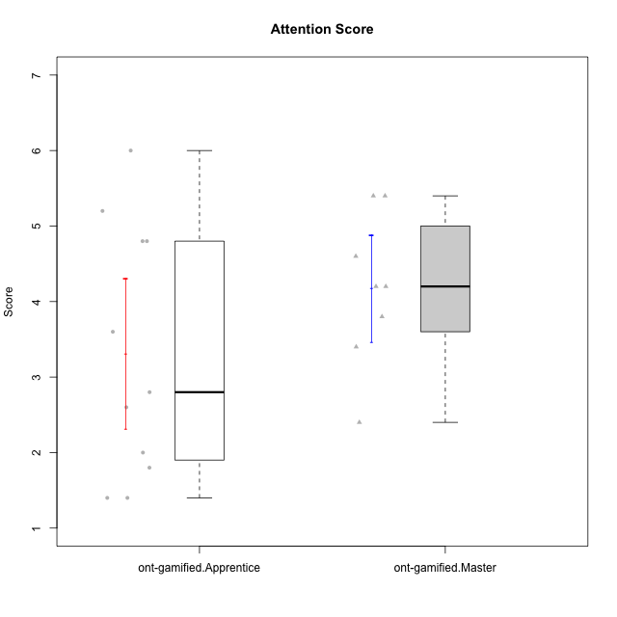

Student's t-Test data
UserID | Type | CLGroup | CLRole | PlayerRole | NroUSP | Item09IE | Item21IE | Item08IE | Item11IE | Item24IE | Item12IE | Item05PC | Item18PC | Item20PC | Item13PC | Item03PC | Item06PT | Item02PT | Item04PT | Item19EI | Item01EI | Item22EI | Item20A | Item25A | Item18A | Item07A | Item04A | Item01S | Item02S | Item09R | Item06R | Item12R | Interest/Enjoyment | Perceived Choice | Pressure/Tension | Effort/Importance | Attention | Relevance | Satisfaction | Intrinsic Motivation | Level of Motivation
10171 | ont-gamified | Mafia | Master | Social Achiever | 698531 | 6 | 7 | 6 | 6 | 5 | 5 | 2 | 2 | 1 | 2 | 2 | 1 | 2 | 2 | 1 | 1 | 6 | 6 | 5 | 6 | 5 | 5 | 6 | 6 | 2 | 2 | 7 | 5.8333333333 | 6.2 | 1.6666666667 | 6.6666666667 | 5.4 | 6.3333333333 | 6 | 6.1764705882 | 5.8
10175 | ont-gamified | Warriors | Master | Social Achiever | 10310700 | 4 | 4 | 4 | 4 | 4 | 4 | 1 | 1 | 1 | 1 | 3 | 1 | 1 | 1 | 1 | 1 | 4 | 5 | 5 | 5 | 6 | 6 | 6 | 6 | 2 | 1 | 7 | 4 | 6.6 | 1 | 6 | 5.4 | 6.6666666667 | 6 | 5.6470588235 | 5.9
10176 | ont-gamified | Outlaws | Master | Social Achiever | 10276949 | 4 | 4 | 4 | 4 | 4 | 3 | 4 | 5 | 4 | 6 | 4 | 6 | 4 | 6 | 5 | 4 | 4 | 5 | 5 | 5 | 4 | 4 | 4 | 4 | 4 | 4 | 4 | 3.8333333333 | 3.4 | 5.3333333333 | 3.6666666667 | 4.6 | 4 | 4 | 3.4705882353 | 4.3
10186 | ont-gamified | Slayers | Apprentice | Social Achiever | 10310551 | 4 | 3 | 6 | 6 | 3 | 1 | 4 | 4 | 1 | 4 | 4 | 4 | 5 | 4 | 1 | 1 | 7 | 4 | 1 | 4 | 1 | 4 | 7 | 7 | 3 | 1 | 6 | 3.8333333333 | 4.6 | 4.3333333333 | 7 | 2.8 | 6 | 7 | 4.5882352941 | 4.6
10188 | ont-gamified | Vandals | Master | Yee Achiever | 10276995 | 3 | 3 | 4 | 1 | 3 | 4 | 1 | 1 | 1 | 3 | 3 | 1 | 1 | 1 | 3 | 2 | 1 | 3 | 4 | 4 | 2 | 4 | 3 | 3 | 2 | 2 | 4 | 3 | 6.2 | 1 | 4 | 3.4 | 5.3333333333 | 3 | 4.8235294118 | 3.9
10189 | ont-gamified | Vikings | Apprentice | Social Achiever | 9363926 | 2 | 2 | 4 | 1 | 2 | 1 | 5 | 4 | 4 | 5 | 5 | 2 | 1 | 1 | 3 | 1 | 6 | 1 | 1 | 2 | 1 | 2 | 3 | 2 | 6 | 1 | 4 | 2 | 3.4 | 1.3333333333 | 6 | 1.4 | 4.3333333333 | 2.5 | 3.9411764706 | 2.5
10192 | ont-gamified | Attractive Devils | Apprentice | Social Achiever | 10276682 | 4 | 5 | 4 | 6 | 1 | 4 | 2 | 4 | 4 | 3 | 3 | 4 | 4 | 4 | 5 | 1 | 5 | 4 | 4 | 4 | 7 | 5 | 7 | 6 | 1 | 2 | 5 | 4 | 4.8 | 4 | 5 | 4.8 | 6 | 6.5 | 4.4117647059 | 5.5
10193 | ont-gamified | Vandals | Apprentice | Yee Achiever | 10276762 | 2 | 1 | 1 | 1 | 2 | 1 | 1 | 1 | 1 | 1 | 1 | 2 | 1 | 1 | 2 | 1 | 2 | 2 | 1 | 2 | 1 | 1 | 1 | 2 | 1 | 4 | 1 | 1.3333333333 | 7 | 1.3333333333 | 5 | 1.4 | 4 | 1.5 | 4.5882352941 | 2.2
10198 | ont-gamified | Attractive Devils | Apprentice | Social Achiever | 10310888 | 6 | 3 | 4 | 4 | 2 | 5 | 4 | 6 | 6 | 5 | 1 | 4 | 4 | 4 | 3 | 2 | 6 | 6 | 5 | 5 | 7 | 7 | 7 | 7 | 2 | 1 | 5 | 4 | 3.6 | 4 | 5.6666666667 | 6 | 6 | 7 | 4.1764705882 | 6.2
10200 | ont-gamified | Warriors | Apprentice | Social Achiever | 9795272 | 4 | 5 | 5 | 5 | 5 | 3 | 4 | 2 | 2 | 5 | 3 | 4 | 5 | 5 | 1 | 1 | 6 | 4 | 5 | 4 | 6 | 5 | 5 | 6 | 3 | 1 | 6 | 4.5 | 4.8 | 4.6666666667 | 6.6666666667 | 4.8 | 6 | 5.5 | 4.7647058824 | 5.3
10202 | ont-gamified | Silly Knights | Apprentice | Social Achiever | 10277036 | 3 | 3 | 3 | 3 | 3 | 3 | 2 | 5 | 2 | 2 | 3 | 3 | 3 | 3 | 2 | 2 | 5 | 2 | 3 | 2 | 2 | 4 | 5 | 5 | 3 | 2 | 5 | 3 | 5.2 | 3 | 5.6666666667 | 2.6 | 5.3333333333 | 5 | 4.4705882353 | 3.9
10203 | ont-gamified | Mercenaries | Apprentice | Social Achiever | 9921470 | 5 | 4 | 3 | 4 | 4 | 5 | 1 | 1 | 1 | 1 | 4 | 1 | 2 | 5 | 1 | 1 | 6 | 7 | 5 | 4 | 6 | 4 | 5 | 7 | 4 | 6 | 4 | 4.1666666667 | 6.4 | 2.6666666667 | 6.6666666667 | 5.2 | 3.3333333333 | 6 | 5.4705882353 | 4.8
10208 | ont-gamified | Mercenaries | Master | Social Achiever | 10276932 | 4 | 4 | 4 | 4 | 4 | 3 | 2 | 4 | 2 | 4 | 4 | 2 | 2 | 2 | 2 | 2 | 4 | 2 | 2 | 2 | 3 | 3 | 5 | 5 | 5 | 3 | 3 | 3.8333333333 | 4.8 | 2 | 5.3333333333 | 2.4 | 3.6666666667 | 5 | 4.7647058824 | 3.3
10209 | ont-gamified | Mafia | Apprentice | Social Achiever | 10262669 | 2 | 2 | 2 | 4 | 2 | 2 | 7 | 7 | 7 | 7 | 7 | 1 | 2 | 1 | 3 | 2 | 2 | 1 | 2 | 2 | 2 | 3 | 2 | 2 | 4 | 3 | 4 | 2.3333333333 | 1 | 1.3333333333 | 4.3333333333 | 2 | 4.3333333333 | 2 | 3.0588235294 | 2.7
10214 | ont-gamified | Vikings | Apprentice | Social Achiever | 10277022 | 1 | 1 | 2 | 1 | 1 | 1 | 2 | 7 | 6 | 6 | 6 | 4 | 5 | 1 | 1 | 1 | 7 | 1 | 2 | 1 | 1 | 4 | 3 | 4 | 5 | 2 | 2 | 1.1666666667 | 2.6 | 3.3333333333 | 7 | 1.8 | 3.6666666667 | 3.5 | 3.2352941176 | 2.7
10216 | ont-gamified | Silly Knights | Master | Social Achiever | 10276720 | 5 | 4 | 4 | 3 | 5 | 7 | 2 | 1 | 3 | 2 | 3 | 1 | 1 | 1 | 2 | 1 | 4 | 5 | 6 | 4 | 2 | 4 | 5 | 5 | 2 | 1 | 7 | 4.6666666667 | 5.8 | 1 | 5.6666666667 | 4.2 | 6.6666666667 | 5 | 5.5882352941 | 5.1
10223 | ont-gamified | Slayers | Master | Social Achiever | 9795185 | 5 | 5 | 6 | 4 | 5 | 5 | 4 | 3 | 4 | 4 | 4 | 2 | 4 | 4 | 4 | 4 | 4 | 4 | 4 | 3 | 4 | 4 | 4 | 5 | 2 | 3 | 7 | 5 | 4.2 | 3.3333333333 | 4 | 3.8 | 6 | 4.5 | 4.5294117647 | 4.6
10230 | ont-gamified | Resistance | Master | Social Achiever | 10351992 | 4 | 5 | 5 | 4 | 5 | 4 | 4 | 3 | 5 | 3 | 5 | 6 | 5 | 4 | 2 | 3 | 5 | 2 | 4 | 3 | 6 | 6 | 4 | 6 | 3 | 4 | 4 | 4.5 | 4 | 5 | 5.3333333333 | 4.2 | 4.3333333333 | 5 | 4.2352941176 | 4.4
10237 | ont-gamified | Outlaws | Apprentice | Social Achiever | 10377688 | 3 | 5 | 3 | 3 | 6 | 4 | 3 | 3 | 4 | 3 | 6 | 4 | 6 | 5 | 4 | 2 | 5 | 3 | 3 | 4 | 5 | 3 | 3 | 4 | 4 | 3 | 5 | 4 | 4.2 | 5 | 5 | 3.6 | 4.6666666667 | 3.5 | 4.0588235294 | 3.9

Type_CLRole_2
Student's t-Test for Attention Score in Type:CLRole between ont-gamified.Apprentice:w/o-gamified.Apprentice

Student's t-Test results
Alternative hypothesis: less
Group | N | Mean | Mean.Difference | Std.deviation | Std.error | CI.lower | CI.upper | df | t.value | p.value | g | magnitude
ont-gamified.Apprentice | 11 | 3.3090909091 | -1.1090909091 | 1.6549649818 | 0.49899071688 | 2.3111094753 | 4.3070723429 | 18.117622988 | -1.8072983282 | 0.043675271367 | -0.74136999156 | medium
w/o-gamified.Apprentice | 11 | 4.4181818182 | 1.1090909091 | 1.1847516042 | 0.35721604917 | 3.7037497198 | 5.1326139165 | 18.117622988 | -1.8072983282 | 0.043675271367 | -0.74136999156 | medium
Alternative hypothesis: greater
Group | N | Mean | Mean.Difference | Std.deviation | Std.error | CI.lower | CI.upper | df | t.value | p.value | g | magnitude
ont-gamified.Apprentice | 11 | 3.3090909091 | -1.1090909091 | 1.6549649818 | 0.49899071688 | 2.3111094753 | 4.3070723429 | 18.117622988 | -1.8072983282 | 0.95632472863 | -0.74136999156 | medium
w/o-gamified.Apprentice | 11 | 4.4181818182 | 1.1090909091 | 1.1847516042 | 0.35721604917 | 3.7037497198 | 5.1326139165 | 18.117622988 | -1.8072983282 | 0.95632472863 | -0.74136999156 | medium
Alternative hypothesis: two.sided
Group | N | Mean | Mean.Difference | Std.deviation | Std.error | CI.lower | CI.upper | df | t.value | p.value | g | magnitude
ont-gamified.Apprentice | 11 | 3.3090909091 | -1.1090909091 | 1.6549649818 | 0.49899071688 | 2.3111094753 | 4.3070723429 | 18.117622988 | -1.8072983282 | 0.087350542735 | -0.74136999156 | medium
w/o-gamified.Apprentice | 11 | 4.4181818182 | 1.1090909091 | 1.1847516042 | 0.35721604917 | 3.7037497198 | 5.1326139165 | 18.117622988 | -1.8072983282 | 0.087350542735 | -0.74136999156 | medium

Box plots for Student's t-Test
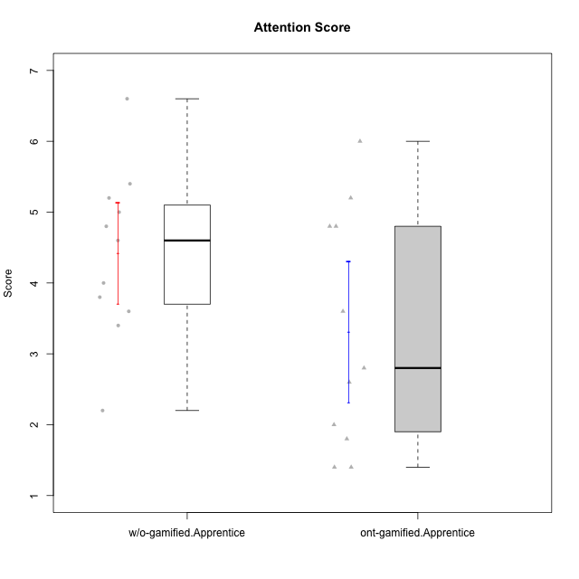

Student's t-Test data
UserID | Type | CLGroup | CLRole | PlayerRole | NroUSP | Item09IE | Item21IE | Item08IE | Item11IE | Item24IE | Item12IE | Item05PC | Item18PC | Item20PC | Item13PC | Item03PC | Item06PT | Item02PT | Item04PT | Item19EI | Item01EI | Item22EI | Item20A | Item25A | Item18A | Item07A | Item04A | Item01S | Item02S | Item09R | Item06R | Item12R | Interest/Enjoyment | Perceived Choice | Pressure/Tension | Effort/Importance | Attention | Relevance | Satisfaction | Intrinsic Motivation | Level of Motivation
10170 | w/o-gamified | Grupo11 | Apprentice |  | 10260351 | 4 | 4 | 6 | 4 | 4 | 3 | 2 | 1 | 3 | 2 | 3 | 1 | 1 | 1 | 3 | 3 | 5 | 6 | 5 | 6 | 5 | 4 | 4 | 4 | 2 | 1 | 6 | 4.1666666667 | 5.8 | 1 | 5 | 5.2 | 6.3333333333 | 4 | 5.2941176471 | 5.3
10183 | w/o-gamified | Grupo3 | Apprentice |  | 10352030 | 3 | 3 | 3 | 3 | 2 | 3 | 4 | 3 | 5 | 2 | 4 | 5 | 4 | 4 | 3 | 4 | 4 | 2 | 2 | 2 | 2 | 3 | 2 | 2 | 5 | 2 | 3 | 2.8333333333 | 4.4 | 4.3333333333 | 4.3333333333 | 2.2 | 4 | 2 | 3.7058823529 | 2.7
10184 | w/o-gamified | Grupo10 | Apprentice |  | 10276675 | 4 | 3 | 4 | 4 | 4 | 4 | 5 | 4 | 4 | 3 | 4 | 4 | 4 | 3 | 4 | 4 | 4 | 4 | 4 | 4 | 2 | 4 | 6 | 4 | 4 | 4 | 4 | 3.8333333333 | 4 | 3.6666666667 | 4 | 3.6 | 4 | 5 | 4 | 4
10185 | w/o-gamified | Grupo9 | Apprentice |  | 10276960 | 4 | 3 | 6 | 5 | 6 | 5 | 6 | 6 | 3 | 5 | 3 | 5 | 4 | 4 | 3 | 4 | 5 | 3 | 5 | 3 | 4 | 2 | 4 | 5 | 5 | 3 | 3 | 4.8333333333 | 3.4 | 4.3333333333 | 4.6666666667 | 3.4 | 3.6666666667 | 4.5 | 4.1764705882 | 3.7
10186 | ont-gamified | Slayers | Apprentice | Social Achiever | 10310551 | 4 | 3 | 6 | 6 | 3 | 1 | 4 | 4 | 1 | 4 | 4 | 4 | 5 | 4 | 1 | 1 | 7 | 4 | 1 | 4 | 1 | 4 | 7 | 7 | 3 | 1 | 6 | 3.8333333333 | 4.6 | 4.3333333333 | 7 | 2.8 | 6 | 7 | 4.5882352941 | 4.6
10189 | ont-gamified | Vikings | Apprentice | Social Achiever | 9363926 | 2 | 2 | 4 | 1 | 2 | 1 | 5 | 4 | 4 | 5 | 5 | 2 | 1 | 1 | 3 | 1 | 6 | 1 | 1 | 2 | 1 | 2 | 3 | 2 | 6 | 1 | 4 | 2 | 3.4 | 1.3333333333 | 6 | 1.4 | 4.3333333333 | 2.5 | 3.9411764706 | 2.5
10192 | ont-gamified | Attractive Devils | Apprentice | Social Achiever | 10276682 | 4 | 5 | 4 | 6 | 1 | 4 | 2 | 4 | 4 | 3 | 3 | 4 | 4 | 4 | 5 | 1 | 5 | 4 | 4 | 4 | 7 | 5 | 7 | 6 | 1 | 2 | 5 | 4 | 4.8 | 4 | 5 | 4.8 | 6 | 6.5 | 4.4117647059 | 5.5
10193 | ont-gamified | Vandals | Apprentice | Yee Achiever | 10276762 | 2 | 1 | 1 | 1 | 2 | 1 | 1 | 1 | 1 | 1 | 1 | 2 | 1 | 1 | 2 | 1 | 2 | 2 | 1 | 2 | 1 | 1 | 1 | 2 | 1 | 4 | 1 | 1.3333333333 | 7 | 1.3333333333 | 5 | 1.4 | 4 | 1.5 | 4.5882352941 | 2.2
10197 | w/o-gamified | Grupo8 | Apprentice |  | 10276661 | 3 | 2 | 5 | 5 | 2 | 4 | 3 | 2 | 4 | 4 | 2 | 5 | 3 | 3 | 3 | 3 | 4 | 4 | 4 | 7 | 5 | 4 | 4 | 4 | 5 | 4 | 4 | 3.5 | 5 | 3.6666666667 | 4.6666666667 | 4.8 | 3.6666666667 | 4 | 4.2941176471 | 4.3
10198 | ont-gamified | Attractive Devils | Apprentice | Social Achiever | 10310888 | 6 | 3 | 4 | 4 | 2 | 5 | 4 | 6 | 6 | 5 | 1 | 4 | 4 | 4 | 3 | 2 | 6 | 6 | 5 | 5 | 7 | 7 | 7 | 7 | 2 | 1 | 5 | 4 | 3.6 | 4 | 5.6666666667 | 6 | 6 | 7 | 4.1764705882 | 6.2
10200 | ont-gamified | Warriors | Apprentice | Social Achiever | 9795272 | 4 | 5 | 5 | 5 | 5 | 3 | 4 | 2 | 2 | 5 | 3 | 4 | 5 | 5 | 1 | 1 | 6 | 4 | 5 | 4 | 6 | 5 | 5 | 6 | 3 | 1 | 6 | 4.5 | 4.8 | 4.6666666667 | 6.6666666667 | 4.8 | 6 | 5.5 | 4.7647058824 | 5.3
10201 | w/o-gamified | Grupo11 | Apprentice |  | 10276928 | 5 | 6 | 6 | 5 | 3 | 6 | 3 | 4 | 4 | 3 | 5 | 4 | 3 | 2 | 3 | 3 | 5 | 6 | 5 | 6 | 6 | 4 | 6 | 5 | 4 | 2 | 6 | 5.1666666667 | 4.2 | 3 | 5 | 5.4 | 5.3333333333 | 5.5 | 4.8235294118 | 5.4
10202 | ont-gamified | Silly Knights | Apprentice | Social Achiever | 10277036 | 3 | 3 | 3 | 3 | 3 | 3 | 2 | 5 | 2 | 2 | 3 | 3 | 3 | 3 | 2 | 2 | 5 | 2 | 3 | 2 | 2 | 4 | 5 | 5 | 3 | 2 | 5 | 3 | 5.2 | 3 | 5.6666666667 | 2.6 | 5.3333333333 | 5 | 4.4705882353 | 3.9
10203 | ont-gamified | Mercenaries | Apprentice | Social Achiever | 9921470 | 5 | 4 | 3 | 4 | 4 | 5 | 1 | 1 | 1 | 1 | 4 | 1 | 2 | 5 | 1 | 1 | 6 | 7 | 5 | 4 | 6 | 4 | 5 | 7 | 4 | 6 | 4 | 4.1666666667 | 6.4 | 2.6666666667 | 6.6666666667 | 5.2 | 3.3333333333 | 6 | 5.4705882353 | 4.8
10206 | w/o-gamified | Grupo8 | Apprentice |  | 10310721 | 4 | 5 | 4 | 2 | 4 | 3 | 2 | 2 | 2 | 3 | 3 | 3 | 3 | 2 | 2 | 2 | 5 | 4 | 6 | 4 | 4 | 5 | 5 | 5 | 3 | 2 | 6 | 3.6666666667 | 5.6 | 2.6666666667 | 5.6666666667 | 4.6 | 5.6666666667 | 5 | 4.8823529412 | 5
10209 | ont-gamified | Mafia | Apprentice | Social Achiever | 10262669 | 2 | 2 | 2 | 4 | 2 | 2 | 7 | 7 | 7 | 7 | 7 | 1 | 2 | 1 | 3 | 2 | 2 | 1 | 2 | 2 | 2 | 3 | 2 | 2 | 4 | 3 | 4 | 2.3333333333 | 1 | 1.3333333333 | 4.3333333333 | 2 | 4.3333333333 | 2 | 3.0588235294 | 2.7
10213 | w/o-gamified | Grupo7 | Apprentice |  | 10277040 | 3 | 4 | 4 | 7 | 4 | 1 | 7 | 7 | 7 | 7 | 7 | 7 | 1 | 7 | 1 | 1 | 7 | 7 | 7 | 5 | 7 | 7 | 7 | 4 | 2 | 1 | 4 | 3.8333333333 | 1 | 5 | 7 | 6.6 | 5.6666666667 | 5.5 | 3.4117647059 | 6.1
10214 | ont-gamified | Vikings | Apprentice | Social Achiever | 10277022 | 1 | 1 | 2 | 1 | 1 | 1 | 2 | 7 | 6 | 6 | 6 | 4 | 5 | 1 | 1 | 1 | 7 | 1 | 2 | 1 | 1 | 4 | 3 | 4 | 5 | 2 | 2 | 1.1666666667 | 2.6 | 3.3333333333 | 7 | 1.8 | 3.6666666667 | 3.5 | 3.2352941176 | 2.7
10217 | w/o-gamified | Grupo9 | Apprentice |  | 9805341 | 5 | 5 | 5 | 3 | 4 | 4 | 5 | 4 | 2 | 4 | 4 | 1 | 1 | 1 | 4 | 3 | 2 | 4 | 4 | 3 | 4 | 5 | 4 | 4 | 3 | 3 | 6 | 4.3333333333 | 4.2 | 1 | 3.6666666667 | 4 | 5.3333333333 | 4 | 4.6470588235 | 4.4
10218 | w/o-gamified | Grupo10 | Apprentice |  | 9842913 | 4 | 4 | 4 | 4 | 4 | 4 | 5 | 5 | 4 | 4 | 4 | 4 | 4 | 5 | 4 | 4 | 5 | 4 | 4 | 3 | 5 | 3 | 4 | 3 | 3 | 4 | 4 | 4 | 3.6 | 4.3333333333 | 4.3333333333 | 3.8 | 4.3333333333 | 3.5 | 3.8823529412 | 3.9
10232 | w/o-gamified | Grupo7 | Apprentice |  | 10276974 | 4 | 4 | 5 | 5 | 5 | 4 | 3 | 4 | 4 | 3 | 3 | 2 | 2 | 2 | 1 | 1 | 6 | 4 | 6 | 4 | 5 | 6 | 6 | 5 | 2 | 1 | 7 | 4.5 | 4.6 | 2 | 6.6666666667 | 5 | 6.6666666667 | 5.5 | 5.1764705882 | 5.6
10237 | ont-gamified | Outlaws | Apprentice | Social Achiever | 10377688 | 3 | 5 | 3 | 3 | 6 | 4 | 3 | 3 | 4 | 3 | 6 | 4 | 6 | 5 | 4 | 2 | 5 | 3 | 3 | 4 | 5 | 3 | 3 | 4 | 4 | 3 | 5 | 4 | 4.2 | 5 | 5 | 3.6 | 4.6666666667 | 3.5 | 4.0588235294 | 3.9

Type_CLRole_3
Student's t-Test for Attention Score in Type:CLRole between ont-gamified.Apprentice:w/o-gamified.Master

Student's t-Test results
Alternative hypothesis: less
Group | N | Mean | Mean.Difference | Std.deviation | Std.error | CI.lower | CI.upper | df | t.value | p.value | g | magnitude
ont-gamified.Apprentice | 11 | 3.3090909091 | -0.33090909091 | 1.6549649818 | 0.49899071688 | 2.3111094753 | 4.3070723429 | 13.244910683 | -0.51642064611 | 0.30703710128 | -0.21154513448 | small
w/o-gamified.Master | 5 | 3.64 | 0.33090909091 | 0.89888820217 | 0.40199502484 | 2.8360099503 | 4.4439900497 | 13.244910683 | -0.51642064611 | 0.30703710128 | -0.21154513448 | small
Alternative hypothesis: greater
Group | N | Mean | Mean.Difference | Std.deviation | Std.error | CI.lower | CI.upper | df | t.value | p.value | g | magnitude
ont-gamified.Apprentice | 11 | 3.3090909091 | -0.33090909091 | 1.6549649818 | 0.49899071688 | 2.3111094753 | 4.3070723429 | 13.244910683 | -0.51642064611 | 0.69296289872 | -0.21154513448 | small
w/o-gamified.Master | 5 | 3.64 | 0.33090909091 | 0.89888820217 | 0.40199502484 | 2.8360099503 | 4.4439900497 | 13.244910683 | -0.51642064611 | 0.69296289872 | -0.21154513448 | small
Alternative hypothesis: two.sided
Group | N | Mean | Mean.Difference | Std.deviation | Std.error | CI.lower | CI.upper | df | t.value | p.value | g | magnitude
ont-gamified.Apprentice | 11 | 3.3090909091 | -0.33090909091 | 1.6549649818 | 0.49899071688 | 2.3111094753 | 4.3070723429 | 13.244910683 | -0.51642064611 | 0.61407420256 | -0.21154513448 | small
w/o-gamified.Master | 5 | 3.64 | 0.33090909091 | 0.89888820217 | 0.40199502484 | 2.8360099503 | 4.4439900497 | 13.244910683 | -0.51642064611 | 0.61407420256 | -0.21154513448 | small

Box plots for Student's t-Test
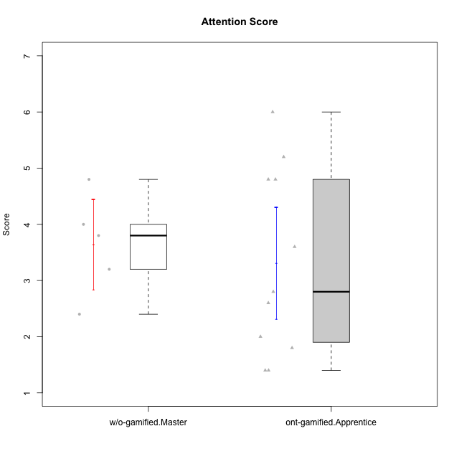

Student's t-Test data
UserID | Type | CLGroup | CLRole | PlayerRole | NroUSP | Item09IE | Item21IE | Item08IE | Item11IE | Item24IE | Item12IE | Item05PC | Item18PC | Item20PC | Item13PC | Item03PC | Item06PT | Item02PT | Item04PT | Item19EI | Item01EI | Item22EI | Item20A | Item25A | Item18A | Item07A | Item04A | Item01S | Item02S | Item09R | Item06R | Item12R | Interest/Enjoyment | Perceived Choice | Pressure/Tension | Effort/Importance | Attention | Relevance | Satisfaction | Intrinsic Motivation | Level of Motivation
10174 | w/o-gamified | Grupo7 | Master |  | 10276852 | 4 | 4 | 6 | 4 | 6 | 3 | 4 | 3 | 4 | 4 | 4 | 6 | 4 | 5 | 2 | 5 | 4 | 4 | 4 | 5 | 6 | 5 | 6 | 5 | 6 | 5 | 4 | 4.5 | 4.2 | 5 | 4.3333333333 | 4.8 | 3 | 5.5 | 4.1176470588 | 4.4
10179 | w/o-gamified | Grupo10 | Master |  | 10310759 | 3 | 4 | 3 | 2 | 4 | 6 | 6 | 5 | 4 | 5 | 7 | 2 | 1 | 1 | 1 | 2 | 5 | 4 | 4 | 4 | 2 | 5 | 3 | 4 | 4 | 2 | 4 | 3.6666666667 | 2.6 | 1.3333333333 | 6 | 3.8 | 4.6666666667 | 3.5 | 4.2941176471 | 4
10186 | ont-gamified | Slayers | Apprentice | Social Achiever | 10310551 | 4 | 3 | 6 | 6 | 3 | 1 | 4 | 4 | 1 | 4 | 4 | 4 | 5 | 4 | 1 | 1 | 7 | 4 | 1 | 4 | 1 | 4 | 7 | 7 | 3 | 1 | 6 | 3.8333333333 | 4.6 | 4.3333333333 | 7 | 2.8 | 6 | 7 | 4.5882352941 | 4.6
10189 | ont-gamified | Vikings | Apprentice | Social Achiever | 9363926 | 2 | 2 | 4 | 1 | 2 | 1 | 5 | 4 | 4 | 5 | 5 | 2 | 1 | 1 | 3 | 1 | 6 | 1 | 1 | 2 | 1 | 2 | 3 | 2 | 6 | 1 | 4 | 2 | 3.4 | 1.3333333333 | 6 | 1.4 | 4.3333333333 | 2.5 | 3.9411764706 | 2.5
10191 | w/o-gamified | Grupo1 | Master |  | 10276981 | 3 | 2 | 3 | 3 | 2 | 1 | 5 | 4 | 5 | 5 | 5 | 1 | 1 | 1 | 4 | 2 | 4 | 2 | 4 | 2 | 4 | 4 | 4 | 4 | 3 | 2 | 3 | 2.3333333333 | 3.2 | 1 | 4.6666666667 | 3.2 | 4.6666666667 | 4 | 3.8235294118 | 3.8
10192 | ont-gamified | Attractive Devils | Apprentice | Social Achiever | 10276682 | 4 | 5 | 4 | 6 | 1 | 4 | 2 | 4 | 4 | 3 | 3 | 4 | 4 | 4 | 5 | 1 | 5 | 4 | 4 | 4 | 7 | 5 | 7 | 6 | 1 | 2 | 5 | 4 | 4.8 | 4 | 5 | 4.8 | 6 | 6.5 | 4.4117647059 | 5.5
10193 | ont-gamified | Vandals | Apprentice | Yee Achiever | 10276762 | 2 | 1 | 1 | 1 | 2 | 1 | 1 | 1 | 1 | 1 | 1 | 2 | 1 | 1 | 2 | 1 | 2 | 2 | 1 | 2 | 1 | 1 | 1 | 2 | 1 | 4 | 1 | 1.3333333333 | 7 | 1.3333333333 | 5 | 1.4 | 4 | 1.5 | 4.5882352941 | 2.2
10198 | ont-gamified | Attractive Devils | Apprentice | Social Achiever | 10310888 | 6 | 3 | 4 | 4 | 2 | 5 | 4 | 6 | 6 | 5 | 1 | 4 | 4 | 4 | 3 | 2 | 6 | 6 | 5 | 5 | 7 | 7 | 7 | 7 | 2 | 1 | 5 | 4 | 3.6 | 4 | 5.6666666667 | 6 | 6 | 7 | 4.1764705882 | 6.2
10200 | ont-gamified | Warriors | Apprentice | Social Achiever | 9795272 | 4 | 5 | 5 | 5 | 5 | 3 | 4 | 2 | 2 | 5 | 3 | 4 | 5 | 5 | 1 | 1 | 6 | 4 | 5 | 4 | 6 | 5 | 5 | 6 | 3 | 1 | 6 | 4.5 | 4.8 | 4.6666666667 | 6.6666666667 | 4.8 | 6 | 5.5 | 4.7647058824 | 5.3
10202 | ont-gamified | Silly Knights | Apprentice | Social Achiever | 10277036 | 3 | 3 | 3 | 3 | 3 | 3 | 2 | 5 | 2 | 2 | 3 | 3 | 3 | 3 | 2 | 2 | 5 | 2 | 3 | 2 | 2 | 4 | 5 | 5 | 3 | 2 | 5 | 3 | 5.2 | 3 | 5.6666666667 | 2.6 | 5.3333333333 | 5 | 4.4705882353 | 3.9
10203 | ont-gamified | Mercenaries | Apprentice | Social Achiever | 9921470 | 5 | 4 | 3 | 4 | 4 | 5 | 1 | 1 | 1 | 1 | 4 | 1 | 2 | 5 | 1 | 1 | 6 | 7 | 5 | 4 | 6 | 4 | 5 | 7 | 4 | 6 | 4 | 4.1666666667 | 6.4 | 2.6666666667 | 6.6666666667 | 5.2 | 3.3333333333 | 6 | 5.4705882353 | 4.8
10209 | ont-gamified | Mafia | Apprentice | Social Achiever | 10262669 | 2 | 2 | 2 | 4 | 2 | 2 | 7 | 7 | 7 | 7 | 7 | 1 | 2 | 1 | 3 | 2 | 2 | 1 | 2 | 2 | 2 | 3 | 2 | 2 | 4 | 3 | 4 | 2.3333333333 | 1 | 1.3333333333 | 4.3333333333 | 2 | 4.3333333333 | 2 | 3.0588235294 | 2.7
10214 | ont-gamified | Vikings | Apprentice | Social Achiever | 10277022 | 1 | 1 | 2 | 1 | 1 | 1 | 2 | 7 | 6 | 6 | 6 | 4 | 5 | 1 | 1 | 1 | 7 | 1 | 2 | 1 | 1 | 4 | 3 | 4 | 5 | 2 | 2 | 1.1666666667 | 2.6 | 3.3333333333 | 7 | 1.8 | 3.6666666667 | 3.5 | 3.2352941176 | 2.7
10219 | w/o-gamified | Grupo3 | Master |  | 10276831 | 2 | 1 | 1 | 1 | 2 | 4 | 7 | 4 | 7 | 1 | 7 | 1 | 1 | 1 | 7 | 5 | 2 | 2 | 2 | 3 | 3 | 2 | 1 | 1 | 5 | 1 | 2 | 1.8333333333 | 2.8 | 1 | 2 | 2.4 | 4 | 1 | 3.0588235294 | 2.6
10231 | w/o-gamified | Grupo9 | Master |  | 10276911 | 4 | 4 | 4 | 4 | 5 | 6 | 1 | 2 | 2 | 2 | 1 | 1 | 1 | 1 | 4 | 3 | 1 | 4 | 4 | 4 | 4 | 4 | 7 | 5 | 4 | 4 | 5 | 4.5 | 6.4 | 1 | 3.3333333333 | 4 | 4.3333333333 | 6 | 5.2941176471 | 4.5
10237 | ont-gamified | Outlaws | Apprentice | Social Achiever | 10377688 | 3 | 5 | 3 | 3 | 6 | 4 | 3 | 3 | 4 | 3 | 6 | 4 | 6 | 5 | 4 | 2 | 5 | 3 | 3 | 4 | 5 | 3 | 3 | 4 | 4 | 3 | 5 | 4 | 4.2 | 5 | 5 | 3.6 | 4.6666666667 | 3.5 | 4.0588235294 | 3.9

Type_CLRole_4
Student's t-Test for Attention Score in Type:CLRole between ont-gamified.Master:w/o-gamified.Apprentice

Student's t-Test results
Alternative hypothesis: less
Group | N | Mean | Mean.Difference | Std.deviation | Std.error | CI.lower | CI.upper | df | t.value | p.value | g | magnitude
ont-gamified.Master | 8 | 4.175 | -0.24318181818 | 1.0053428697 | 0.3554423803 | 3.4641152394 | 4.8858847606 | 16.499165075 | -0.48257334237 | 0.31786945565 | -0.20845033143 | small
w/o-gamified.Apprentice | 11 | 4.4181818182 | 0.24318181818 | 1.1847516042 | 0.35721604917 | 3.7037497198 | 5.1326139165 | 16.499165075 | -0.48257334237 | 0.31786945565 | -0.20845033143 | small
Alternative hypothesis: greater
Group | N | Mean | Mean.Difference | Std.deviation | Std.error | CI.lower | CI.upper | df | t.value | p.value | g | magnitude
ont-gamified.Master | 8 | 4.175 | -0.24318181818 | 1.0053428697 | 0.3554423803 | 3.4641152394 | 4.8858847606 | 16.499165075 | -0.48257334237 | 0.68213054435 | -0.20845033143 | small
w/o-gamified.Apprentice | 11 | 4.4181818182 | 0.24318181818 | 1.1847516042 | 0.35721604917 | 3.7037497198 | 5.1326139165 | 16.499165075 | -0.48257334237 | 0.68213054435 | -0.20845033143 | small
Alternative hypothesis: two.sided
Group | N | Mean | Mean.Difference | Std.deviation | Std.error | CI.lower | CI.upper | df | t.value | p.value | g | magnitude
ont-gamified.Master | 8 | 4.175 | -0.24318181818 | 1.0053428697 | 0.3554423803 | 3.4641152394 | 4.8858847606 | 16.499165075 | -0.48257334237 | 0.6357389113 | -0.20845033143 | small
w/o-gamified.Apprentice | 11 | 4.4181818182 | 0.24318181818 | 1.1847516042 | 0.35721604917 | 3.7037497198 | 5.1326139165 | 16.499165075 | -0.48257334237 | 0.6357389113 | -0.20845033143 | small

Box plots for Student's t-Test
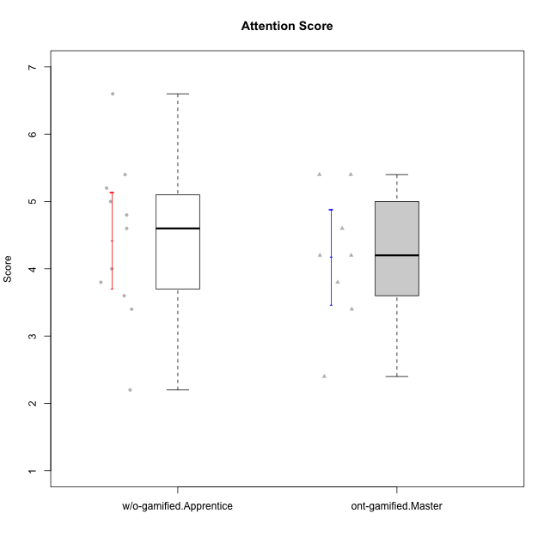

Student's t-Test data
UserID | Type | CLGroup | CLRole | PlayerRole | NroUSP | Item09IE | Item21IE | Item08IE | Item11IE | Item24IE | Item12IE | Item05PC | Item18PC | Item20PC | Item13PC | Item03PC | Item06PT | Item02PT | Item04PT | Item19EI | Item01EI | Item22EI | Item20A | Item25A | Item18A | Item07A | Item04A | Item01S | Item02S | Item09R | Item06R | Item12R | Interest/Enjoyment | Perceived Choice | Pressure/Tension | Effort/Importance | Attention | Relevance | Satisfaction | Intrinsic Motivation | Level of Motivation
10170 | w/o-gamified | Grupo11 | Apprentice |  | 10260351 | 4 | 4 | 6 | 4 | 4 | 3 | 2 | 1 | 3 | 2 | 3 | 1 | 1 | 1 | 3 | 3 | 5 | 6 | 5 | 6 | 5 | 4 | 4 | 4 | 2 | 1 | 6 | 4.1666666667 | 5.8 | 1 | 5 | 5.2 | 6.3333333333 | 4 | 5.2941176471 | 5.3
10171 | ont-gamified | Mafia | Master | Social Achiever | 698531 | 6 | 7 | 6 | 6 | 5 | 5 | 2 | 2 | 1 | 2 | 2 | 1 | 2 | 2 | 1 | 1 | 6 | 6 | 5 | 6 | 5 | 5 | 6 | 6 | 2 | 2 | 7 | 5.8333333333 | 6.2 | 1.6666666667 | 6.6666666667 | 5.4 | 6.3333333333 | 6 | 6.1764705882 | 5.8
10175 | ont-gamified | Warriors | Master | Social Achiever | 10310700 | 4 | 4 | 4 | 4 | 4 | 4 | 1 | 1 | 1 | 1 | 3 | 1 | 1 | 1 | 1 | 1 | 4 | 5 | 5 | 5 | 6 | 6 | 6 | 6 | 2 | 1 | 7 | 4 | 6.6 | 1 | 6 | 5.4 | 6.6666666667 | 6 | 5.6470588235 | 5.9
10176 | ont-gamified | Outlaws | Master | Social Achiever | 10276949 | 4 | 4 | 4 | 4 | 4 | 3 | 4 | 5 | 4 | 6 | 4 | 6 | 4 | 6 | 5 | 4 | 4 | 5 | 5 | 5 | 4 | 4 | 4 | 4 | 4 | 4 | 4 | 3.8333333333 | 3.4 | 5.3333333333 | 3.6666666667 | 4.6 | 4 | 4 | 3.4705882353 | 4.3
10183 | w/o-gamified | Grupo3 | Apprentice |  | 10352030 | 3 | 3 | 3 | 3 | 2 | 3 | 4 | 3 | 5 | 2 | 4 | 5 | 4 | 4 | 3 | 4 | 4 | 2 | 2 | 2 | 2 | 3 | 2 | 2 | 5 | 2 | 3 | 2.8333333333 | 4.4 | 4.3333333333 | 4.3333333333 | 2.2 | 4 | 2 | 3.7058823529 | 2.7
10184 | w/o-gamified | Grupo10 | Apprentice |  | 10276675 | 4 | 3 | 4 | 4 | 4 | 4 | 5 | 4 | 4 | 3 | 4 | 4 | 4 | 3 | 4 | 4 | 4 | 4 | 4 | 4 | 2 | 4 | 6 | 4 | 4 | 4 | 4 | 3.8333333333 | 4 | 3.6666666667 | 4 | 3.6 | 4 | 5 | 4 | 4
10185 | w/o-gamified | Grupo9 | Apprentice |  | 10276960 | 4 | 3 | 6 | 5 | 6 | 5 | 6 | 6 | 3 | 5 | 3 | 5 | 4 | 4 | 3 | 4 | 5 | 3 | 5 | 3 | 4 | 2 | 4 | 5 | 5 | 3 | 3 | 4.8333333333 | 3.4 | 4.3333333333 | 4.6666666667 | 3.4 | 3.6666666667 | 4.5 | 4.1764705882 | 3.7
10188 | ont-gamified | Vandals | Master | Yee Achiever | 10276995 | 3 | 3 | 4 | 1 | 3 | 4 | 1 | 1 | 1 | 3 | 3 | 1 | 1 | 1 | 3 | 2 | 1 | 3 | 4 | 4 | 2 | 4 | 3 | 3 | 2 | 2 | 4 | 3 | 6.2 | 1 | 4 | 3.4 | 5.3333333333 | 3 | 4.8235294118 | 3.9
10197 | w/o-gamified | Grupo8 | Apprentice |  | 10276661 | 3 | 2 | 5 | 5 | 2 | 4 | 3 | 2 | 4 | 4 | 2 | 5 | 3 | 3 | 3 | 3 | 4 | 4 | 4 | 7 | 5 | 4 | 4 | 4 | 5 | 4 | 4 | 3.5 | 5 | 3.6666666667 | 4.6666666667 | 4.8 | 3.6666666667 | 4 | 4.2941176471 | 4.3
10201 | w/o-gamified | Grupo11 | Apprentice |  | 10276928 | 5 | 6 | 6 | 5 | 3 | 6 | 3 | 4 | 4 | 3 | 5 | 4 | 3 | 2 | 3 | 3 | 5 | 6 | 5 | 6 | 6 | 4 | 6 | 5 | 4 | 2 | 6 | 5.1666666667 | 4.2 | 3 | 5 | 5.4 | 5.3333333333 | 5.5 | 4.8235294118 | 5.4
10206 | w/o-gamified | Grupo8 | Apprentice |  | 10310721 | 4 | 5 | 4 | 2 | 4 | 3 | 2 | 2 | 2 | 3 | 3 | 3 | 3 | 2 | 2 | 2 | 5 | 4 | 6 | 4 | 4 | 5 | 5 | 5 | 3 | 2 | 6 | 3.6666666667 | 5.6 | 2.6666666667 | 5.6666666667 | 4.6 | 5.6666666667 | 5 | 4.8823529412 | 5
10208 | ont-gamified | Mercenaries | Master | Social Achiever | 10276932 | 4 | 4 | 4 | 4 | 4 | 3 | 2 | 4 | 2 | 4 | 4 | 2 | 2 | 2 | 2 | 2 | 4 | 2 | 2 | 2 | 3 | 3 | 5 | 5 | 5 | 3 | 3 | 3.8333333333 | 4.8 | 2 | 5.3333333333 | 2.4 | 3.6666666667 | 5 | 4.7647058824 | 3.3
10213 | w/o-gamified | Grupo7 | Apprentice |  | 10277040 | 3 | 4 | 4 | 7 | 4 | 1 | 7 | 7 | 7 | 7 | 7 | 7 | 1 | 7 | 1 | 1 | 7 | 7 | 7 | 5 | 7 | 7 | 7 | 4 | 2 | 1 | 4 | 3.8333333333 | 1 | 5 | 7 | 6.6 | 5.6666666667 | 5.5 | 3.4117647059 | 6.1
10216 | ont-gamified | Silly Knights | Master | Social Achiever | 10276720 | 5 | 4 | 4 | 3 | 5 | 7 | 2 | 1 | 3 | 2 | 3 | 1 | 1 | 1 | 2 | 1 | 4 | 5 | 6 | 4 | 2 | 4 | 5 | 5 | 2 | 1 | 7 | 4.6666666667 | 5.8 | 1 | 5.6666666667 | 4.2 | 6.6666666667 | 5 | 5.5882352941 | 5.1
10217 | w/o-gamified | Grupo9 | Apprentice |  | 9805341 | 5 | 5 | 5 | 3 | 4 | 4 | 5 | 4 | 2 | 4 | 4 | 1 | 1 | 1 | 4 | 3 | 2 | 4 | 4 | 3 | 4 | 5 | 4 | 4 | 3 | 3 | 6 | 4.3333333333 | 4.2 | 1 | 3.6666666667 | 4 | 5.3333333333 | 4 | 4.6470588235 | 4.4
10218 | w/o-gamified | Grupo10 | Apprentice |  | 9842913 | 4 | 4 | 4 | 4 | 4 | 4 | 5 | 5 | 4 | 4 | 4 | 4 | 4 | 5 | 4 | 4 | 5 | 4 | 4 | 3 | 5 | 3 | 4 | 3 | 3 | 4 | 4 | 4 | 3.6 | 4.3333333333 | 4.3333333333 | 3.8 | 4.3333333333 | 3.5 | 3.8823529412 | 3.9
10223 | ont-gamified | Slayers | Master | Social Achiever | 9795185 | 5 | 5 | 6 | 4 | 5 | 5 | 4 | 3 | 4 | 4 | 4 | 2 | 4 | 4 | 4 | 4 | 4 | 4 | 4 | 3 | 4 | 4 | 4 | 5 | 2 | 3 | 7 | 5 | 4.2 | 3.3333333333 | 4 | 3.8 | 6 | 4.5 | 4.5294117647 | 4.6
10230 | ont-gamified | Resistance | Master | Social Achiever | 10351992 | 4 | 5 | 5 | 4 | 5 | 4 | 4 | 3 | 5 | 3 | 5 | 6 | 5 | 4 | 2 | 3 | 5 | 2 | 4 | 3 | 6 | 6 | 4 | 6 | 3 | 4 | 4 | 4.5 | 4 | 5 | 5.3333333333 | 4.2 | 4.3333333333 | 5 | 4.2352941176 | 4.4
10232 | w/o-gamified | Grupo7 | Apprentice |  | 10276974 | 4 | 4 | 5 | 5 | 5 | 4 | 3 | 4 | 4 | 3 | 3 | 2 | 2 | 2 | 1 | 1 | 6 | 4 | 6 | 4 | 5 | 6 | 6 | 5 | 2 | 1 | 7 | 4.5 | 4.6 | 2 | 6.6666666667 | 5 | 6.6666666667 | 5.5 | 5.1764705882 | 5.6

Type_CLRole_5
Student's t-Test for Attention Score in Type:CLRole between ont-gamified.Master:w/o-gamified.Master

Student's t-Test results
Alternative hypothesis: less
Group | N | Mean | Mean.Difference | Std.deviation | Std.error | CI.lower | CI.upper | df | t.value | p.value | g | magnitude
ont-gamified.Master | 8 | 4.175 | 0.535 | 1.0053428697 | 0.3554423803 | 3.4641152394 | 4.8858847606 | 9.4119932954 | 0.99701873801 | 0.82815175436 | 0.51413304979 | medium
w/o-gamified.Master | 5 | 3.64 | -0.535 | 0.89888820217 | 0.40199502484 | 2.8360099503 | 4.4439900497 | 9.4119932954 | 0.99701873801 | 0.82815175436 | 0.51413304979 | medium
Alternative hypothesis: greater
Group | N | Mean | Mean.Difference | Std.deviation | Std.error | CI.lower | CI.upper | df | t.value | p.value | g | magnitude
ont-gamified.Master | 8 | 4.175 | 0.535 | 1.0053428697 | 0.3554423803 | 3.4641152394 | 4.8858847606 | 9.4119932954 | 0.99701873801 | 0.17184824564 | 0.51413304979 | medium
w/o-gamified.Master | 5 | 3.64 | -0.535 | 0.89888820217 | 0.40199502484 | 2.8360099503 | 4.4439900497 | 9.4119932954 | 0.99701873801 | 0.17184824564 | 0.51413304979 | medium
Alternative hypothesis: two.sided
Group | N | Mean | Mean.Difference | Std.deviation | Std.error | CI.lower | CI.upper | df | t.value | p.value | g | magnitude
ont-gamified.Master | 8 | 4.175 | 0.535 | 1.0053428697 | 0.3554423803 | 3.4641152394 | 4.8858847606 | 9.4119932954 | 0.99701873801 | 0.34369649128 | 0.51413304979 | medium
w/o-gamified.Master | 5 | 3.64 | -0.535 | 0.89888820217 | 0.40199502484 | 2.8360099503 | 4.4439900497 | 9.4119932954 | 0.99701873801 | 0.34369649128 | 0.51413304979 | medium

Box plots for Student's t-Test
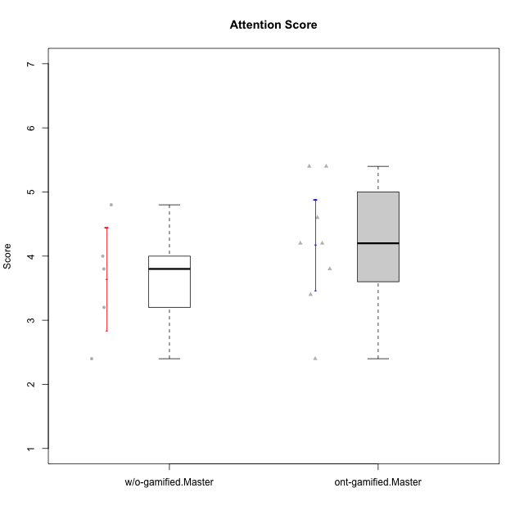

Student's t-Test data
UserID | Type | CLGroup | CLRole | PlayerRole | NroUSP | Item09IE | Item21IE | Item08IE | Item11IE | Item24IE | Item12IE | Item05PC | Item18PC | Item20PC | Item13PC | Item03PC | Item06PT | Item02PT | Item04PT | Item19EI | Item01EI | Item22EI | Item20A | Item25A | Item18A | Item07A | Item04A | Item01S | Item02S | Item09R | Item06R | Item12R | Interest/Enjoyment | Perceived Choice | Pressure/Tension | Effort/Importance | Attention | Relevance | Satisfaction | Intrinsic Motivation | Level of Motivation
10171 | ont-gamified | Mafia | Master | Social Achiever | 698531 | 6 | 7 | 6 | 6 | 5 | 5 | 2 | 2 | 1 | 2 | 2 | 1 | 2 | 2 | 1 | 1 | 6 | 6 | 5 | 6 | 5 | 5 | 6 | 6 | 2 | 2 | 7 | 5.8333333333 | 6.2 | 1.6666666667 | 6.6666666667 | 5.4 | 6.3333333333 | 6 | 6.1764705882 | 5.8
10174 | w/o-gamified | Grupo7 | Master |  | 10276852 | 4 | 4 | 6 | 4 | 6 | 3 | 4 | 3 | 4 | 4 | 4 | 6 | 4 | 5 | 2 | 5 | 4 | 4 | 4 | 5 | 6 | 5 | 6 | 5 | 6 | 5 | 4 | 4.5 | 4.2 | 5 | 4.3333333333 | 4.8 | 3 | 5.5 | 4.1176470588 | 4.4
10175 | ont-gamified | Warriors | Master | Social Achiever | 10310700 | 4 | 4 | 4 | 4 | 4 | 4 | 1 | 1 | 1 | 1 | 3 | 1 | 1 | 1 | 1 | 1 | 4 | 5 | 5 | 5 | 6 | 6 | 6 | 6 | 2 | 1 | 7 | 4 | 6.6 | 1 | 6 | 5.4 | 6.6666666667 | 6 | 5.6470588235 | 5.9
10176 | ont-gamified | Outlaws | Master | Social Achiever | 10276949 | 4 | 4 | 4 | 4 | 4 | 3 | 4 | 5 | 4 | 6 | 4 | 6 | 4 | 6 | 5 | 4 | 4 | 5 | 5 | 5 | 4 | 4 | 4 | 4 | 4 | 4 | 4 | 3.8333333333 | 3.4 | 5.3333333333 | 3.6666666667 | 4.6 | 4 | 4 | 3.4705882353 | 4.3
10179 | w/o-gamified | Grupo10 | Master |  | 10310759 | 3 | 4 | 3 | 2 | 4 | 6 | 6 | 5 | 4 | 5 | 7 | 2 | 1 | 1 | 1 | 2 | 5 | 4 | 4 | 4 | 2 | 5 | 3 | 4 | 4 | 2 | 4 | 3.6666666667 | 2.6 | 1.3333333333 | 6 | 3.8 | 4.6666666667 | 3.5 | 4.2941176471 | 4
10188 | ont-gamified | Vandals | Master | Yee Achiever | 10276995 | 3 | 3 | 4 | 1 | 3 | 4 | 1 | 1 | 1 | 3 | 3 | 1 | 1 | 1 | 3 | 2 | 1 | 3 | 4 | 4 | 2 | 4 | 3 | 3 | 2 | 2 | 4 | 3 | 6.2 | 1 | 4 | 3.4 | 5.3333333333 | 3 | 4.8235294118 | 3.9
10191 | w/o-gamified | Grupo1 | Master |  | 10276981 | 3 | 2 | 3 | 3 | 2 | 1 | 5 | 4 | 5 | 5 | 5 | 1 | 1 | 1 | 4 | 2 | 4 | 2 | 4 | 2 | 4 | 4 | 4 | 4 | 3 | 2 | 3 | 2.3333333333 | 3.2 | 1 | 4.6666666667 | 3.2 | 4.6666666667 | 4 | 3.8235294118 | 3.8
10208 | ont-gamified | Mercenaries | Master | Social Achiever | 10276932 | 4 | 4 | 4 | 4 | 4 | 3 | 2 | 4 | 2 | 4 | 4 | 2 | 2 | 2 | 2 | 2 | 4 | 2 | 2 | 2 | 3 | 3 | 5 | 5 | 5 | 3 | 3 | 3.8333333333 | 4.8 | 2 | 5.3333333333 | 2.4 | 3.6666666667 | 5 | 4.7647058824 | 3.3
10216 | ont-gamified | Silly Knights | Master | Social Achiever | 10276720 | 5 | 4 | 4 | 3 | 5 | 7 | 2 | 1 | 3 | 2 | 3 | 1 | 1 | 1 | 2 | 1 | 4 | 5 | 6 | 4 | 2 | 4 | 5 | 5 | 2 | 1 | 7 | 4.6666666667 | 5.8 | 1 | 5.6666666667 | 4.2 | 6.6666666667 | 5 | 5.5882352941 | 5.1
10219 | w/o-gamified | Grupo3 | Master |  | 10276831 | 2 | 1 | 1 | 1 | 2 | 4 | 7 | 4 | 7 | 1 | 7 | 1 | 1 | 1 | 7 | 5 | 2 | 2 | 2 | 3 | 3 | 2 | 1 | 1 | 5 | 1 | 2 | 1.8333333333 | 2.8 | 1 | 2 | 2.4 | 4 | 1 | 3.0588235294 | 2.6
10223 | ont-gamified | Slayers | Master | Social Achiever | 9795185 | 5 | 5 | 6 | 4 | 5 | 5 | 4 | 3 | 4 | 4 | 4 | 2 | 4 | 4 | 4 | 4 | 4 | 4 | 4 | 3 | 4 | 4 | 4 | 5 | 2 | 3 | 7 | 5 | 4.2 | 3.3333333333 | 4 | 3.8 | 6 | 4.5 | 4.5294117647 | 4.6
10230 | ont-gamified | Resistance | Master | Social Achiever | 10351992 | 4 | 5 | 5 | 4 | 5 | 4 | 4 | 3 | 5 | 3 | 5 | 6 | 5 | 4 | 2 | 3 | 5 | 2 | 4 | 3 | 6 | 6 | 4 | 6 | 3 | 4 | 4 | 4.5 | 4 | 5 | 5.3333333333 | 4.2 | 4.3333333333 | 5 | 4.2352941176 | 4.4
10231 | w/o-gamified | Grupo9 | Master |  | 10276911 | 4 | 4 | 4 | 4 | 5 | 6 | 1 | 2 | 2 | 2 | 1 | 1 | 1 | 1 | 4 | 3 | 1 | 4 | 4 | 4 | 4 | 4 | 7 | 5 | 4 | 4 | 5 | 4.5 | 6.4 | 1 | 3.3333333333 | 4 | 4.3333333333 | 6 | 5.2941176471 | 4.5

Type_CLRole_6
Student's t-Test for Attention Score in Type:CLRole between w/o-gamified.Apprentice:w/o-gamified.Master

Student's t-Test results
Alternative hypothesis: less
Group | N | Mean | Mean.Difference | Std.deviation | Std.error | CI.lower | CI.upper | df | t.value | p.value | g | magnitude
w/o-gamified.Apprentice | 11 | 4.4181818182 | 0.77818181818 | 1.1847516042 | 0.35721604917 | 3.7037497198 | 5.1326139165 | 10.253717508 | 1.4470363906 | 0.91112119378 | 0.66246076043 | medium
w/o-gamified.Master | 5 | 3.64 | -0.77818181818 | 0.89888820217 | 0.40199502484 | 2.8360099503 | 4.4439900497 | 10.253717508 | 1.4470363906 | 0.91112119378 | 0.66246076043 | medium
Alternative hypothesis: greater
Group | N | Mean | Mean.Difference | Std.deviation | Std.error | CI.lower | CI.upper | df | t.value | p.value | g | magnitude
w/o-gamified.Apprentice | 11 | 4.4181818182 | 0.77818181818 | 1.1847516042 | 0.35721604917 | 3.7037497198 | 5.1326139165 | 10.253717508 | 1.4470363906 | 0.088878806218 | 0.66246076043 | medium
w/o-gamified.Master | 5 | 3.64 | -0.77818181818 | 0.89888820217 | 0.40199502484 | 2.8360099503 | 4.4439900497 | 10.253717508 | 1.4470363906 | 0.088878806218 | 0.66246076043 | medium
Alternative hypothesis: two.sided
Group | N | Mean | Mean.Difference | Std.deviation | Std.error | CI.lower | CI.upper | df | t.value | p.value | g | magnitude
w/o-gamified.Apprentice | 11 | 4.4181818182 | 0.77818181818 | 1.1847516042 | 0.35721604917 | 3.7037497198 | 5.1326139165 | 10.253717508 | 1.4470363906 | 0.17775761244 | 0.66246076043 | medium
w/o-gamified.Master | 5 | 3.64 | -0.77818181818 | 0.89888820217 | 0.40199502484 | 2.8360099503 | 4.4439900497 | 10.253717508 | 1.4470363906 | 0.17775761244 | 0.66246076043 | medium

Box plots for Student's t-Test
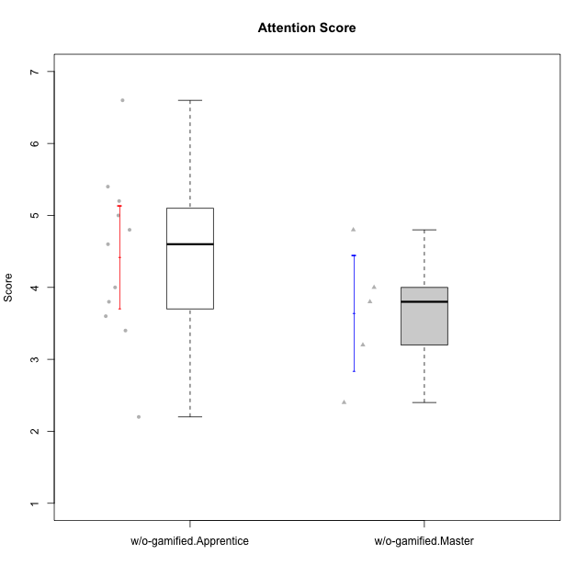

Student's t-Test data
UserID | Type | CLGroup | CLRole | PlayerRole | NroUSP | Item09IE | Item21IE | Item08IE | Item11IE | Item24IE | Item12IE | Item05PC | Item18PC | Item20PC | Item13PC | Item03PC | Item06PT | Item02PT | Item04PT | Item19EI | Item01EI | Item22EI | Item20A | Item25A | Item18A | Item07A | Item04A | Item01S | Item02S | Item09R | Item06R | Item12R | Interest/Enjoyment | Perceived Choice | Pressure/Tension | Effort/Importance | Attention | Relevance | Satisfaction | Intrinsic Motivation | Level of Motivation
10170 | w/o-gamified | Grupo11 | Apprentice |  | 10260351 | 4 | 4 | 6 | 4 | 4 | 3 | 2 | 1 | 3 | 2 | 3 | 1 | 1 | 1 | 3 | 3 | 5 | 6 | 5 | 6 | 5 | 4 | 4 | 4 | 2 | 1 | 6 | 4.1666666667 | 5.8 | 1 | 5 | 5.2 | 6.3333333333 | 4 | 5.2941176471 | 5.3
10174 | w/o-gamified | Grupo7 | Master |  | 10276852 | 4 | 4 | 6 | 4 | 6 | 3 | 4 | 3 | 4 | 4 | 4 | 6 | 4 | 5 | 2 | 5 | 4 | 4 | 4 | 5 | 6 | 5 | 6 | 5 | 6 | 5 | 4 | 4.5 | 4.2 | 5 | 4.3333333333 | 4.8 | 3 | 5.5 | 4.1176470588 | 4.4
10179 | w/o-gamified | Grupo10 | Master |  | 10310759 | 3 | 4 | 3 | 2 | 4 | 6 | 6 | 5 | 4 | 5 | 7 | 2 | 1 | 1 | 1 | 2 | 5 | 4 | 4 | 4 | 2 | 5 | 3 | 4 | 4 | 2 | 4 | 3.6666666667 | 2.6 | 1.3333333333 | 6 | 3.8 | 4.6666666667 | 3.5 | 4.2941176471 | 4
10183 | w/o-gamified | Grupo3 | Apprentice |  | 10352030 | 3 | 3 | 3 | 3 | 2 | 3 | 4 | 3 | 5 | 2 | 4 | 5 | 4 | 4 | 3 | 4 | 4 | 2 | 2 | 2 | 2 | 3 | 2 | 2 | 5 | 2 | 3 | 2.8333333333 | 4.4 | 4.3333333333 | 4.3333333333 | 2.2 | 4 | 2 | 3.7058823529 | 2.7
10184 | w/o-gamified | Grupo10 | Apprentice |  | 10276675 | 4 | 3 | 4 | 4 | 4 | 4 | 5 | 4 | 4 | 3 | 4 | 4 | 4 | 3 | 4 | 4 | 4 | 4 | 4 | 4 | 2 | 4 | 6 | 4 | 4 | 4 | 4 | 3.8333333333 | 4 | 3.6666666667 | 4 | 3.6 | 4 | 5 | 4 | 4
10185 | w/o-gamified | Grupo9 | Apprentice |  | 10276960 | 4 | 3 | 6 | 5 | 6 | 5 | 6 | 6 | 3 | 5 | 3 | 5 | 4 | 4 | 3 | 4 | 5 | 3 | 5 | 3 | 4 | 2 | 4 | 5 | 5 | 3 | 3 | 4.8333333333 | 3.4 | 4.3333333333 | 4.6666666667 | 3.4 | 3.6666666667 | 4.5 | 4.1764705882 | 3.7
10191 | w/o-gamified | Grupo1 | Master |  | 10276981 | 3 | 2 | 3 | 3 | 2 | 1 | 5 | 4 | 5 | 5 | 5 | 1 | 1 | 1 | 4 | 2 | 4 | 2 | 4 | 2 | 4 | 4 | 4 | 4 | 3 | 2 | 3 | 2.3333333333 | 3.2 | 1 | 4.6666666667 | 3.2 | 4.6666666667 | 4 | 3.8235294118 | 3.8
10197 | w/o-gamified | Grupo8 | Apprentice |  | 10276661 | 3 | 2 | 5 | 5 | 2 | 4 | 3 | 2 | 4 | 4 | 2 | 5 | 3 | 3 | 3 | 3 | 4 | 4 | 4 | 7 | 5 | 4 | 4 | 4 | 5 | 4 | 4 | 3.5 | 5 | 3.6666666667 | 4.6666666667 | 4.8 | 3.6666666667 | 4 | 4.2941176471 | 4.3
10201 | w/o-gamified | Grupo11 | Apprentice |  | 10276928 | 5 | 6 | 6 | 5 | 3 | 6 | 3 | 4 | 4 | 3 | 5 | 4 | 3 | 2 | 3 | 3 | 5 | 6 | 5 | 6 | 6 | 4 | 6 | 5 | 4 | 2 | 6 | 5.1666666667 | 4.2 | 3 | 5 | 5.4 | 5.3333333333 | 5.5 | 4.8235294118 | 5.4
10206 | w/o-gamified | Grupo8 | Apprentice |  | 10310721 | 4 | 5 | 4 | 2 | 4 | 3 | 2 | 2 | 2 | 3 | 3 | 3 | 3 | 2 | 2 | 2 | 5 | 4 | 6 | 4 | 4 | 5 | 5 | 5 | 3 | 2 | 6 | 3.6666666667 | 5.6 | 2.6666666667 | 5.6666666667 | 4.6 | 5.6666666667 | 5 | 4.8823529412 | 5
10213 | w/o-gamified | Grupo7 | Apprentice |  | 10277040 | 3 | 4 | 4 | 7 | 4 | 1 | 7 | 7 | 7 | 7 | 7 | 7 | 1 | 7 | 1 | 1 | 7 | 7 | 7 | 5 | 7 | 7 | 7 | 4 | 2 | 1 | 4 | 3.8333333333 | 1 | 5 | 7 | 6.6 | 5.6666666667 | 5.5 | 3.4117647059 | 6.1
10217 | w/o-gamified | Grupo9 | Apprentice |  | 9805341 | 5 | 5 | 5 | 3 | 4 | 4 | 5 | 4 | 2 | 4 | 4 | 1 | 1 | 1 | 4 | 3 | 2 | 4 | 4 | 3 | 4 | 5 | 4 | 4 | 3 | 3 | 6 | 4.3333333333 | 4.2 | 1 | 3.6666666667 | 4 | 5.3333333333 | 4 | 4.6470588235 | 4.4
10218 | w/o-gamified | Grupo10 | Apprentice |  | 9842913 | 4 | 4 | 4 | 4 | 4 | 4 | 5 | 5 | 4 | 4 | 4 | 4 | 4 | 5 | 4 | 4 | 5 | 4 | 4 | 3 | 5 | 3 | 4 | 3 | 3 | 4 | 4 | 4 | 3.6 | 4.3333333333 | 4.3333333333 | 3.8 | 4.3333333333 | 3.5 | 3.8823529412 | 3.9
10219 | w/o-gamified | Grupo3 | Master |  | 10276831 | 2 | 1 | 1 | 1 | 2 | 4 | 7 | 4 | 7 | 1 | 7 | 1 | 1 | 1 | 7 | 5 | 2 | 2 | 2 | 3 | 3 | 2 | 1 | 1 | 5 | 1 | 2 | 1.8333333333 | 2.8 | 1 | 2 | 2.4 | 4 | 1 | 3.0588235294 | 2.6
10231 | w/o-gamified | Grupo9 | Master |  | 10276911 | 4 | 4 | 4 | 4 | 5 | 6 | 1 | 2 | 2 | 2 | 1 | 1 | 1 | 1 | 4 | 3 | 1 | 4 | 4 | 4 | 4 | 4 | 7 | 5 | 4 | 4 | 5 | 4.5 | 6.4 | 1 | 3.3333333333 | 4 | 4.3333333333 | 6 | 5.2941176471 | 4.5
10232 | w/o-gamified | Grupo7 | Apprentice |  | 10276974 | 4 | 4 | 5 | 5 | 5 | 4 | 3 | 4 | 4 | 3 | 3 | 2 | 2 | 2 | 1 | 1 | 6 | 4 | 6 | 4 | 5 | 6 | 6 | 5 | 2 | 1 | 7 | 4.5 | 4.6 | 2 | 6.6666666667 | 5 | 6.6666666667 | 5.5 | 5.1764705882 | 5.6

