Assumptions
ANOVA assumptions for Effort/Importance Score

Shapiro-Wilk normality test for Effort/Importance Score
W | p.value
0.968350574 | 0.49508757924

Plots for normality test
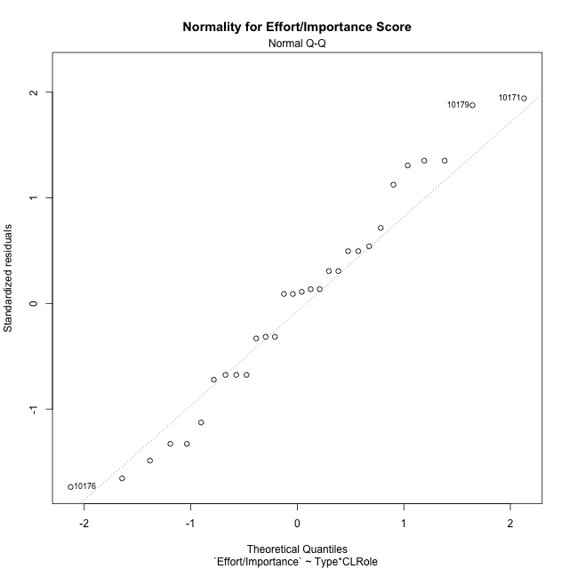

Levene's Test for Homogeneity of Variance in Effort/Importance Score
Df | F value | Pr(>F)
3 | 0.82228805191 | 0.49344532655
26

Plots for homogeneity of variance
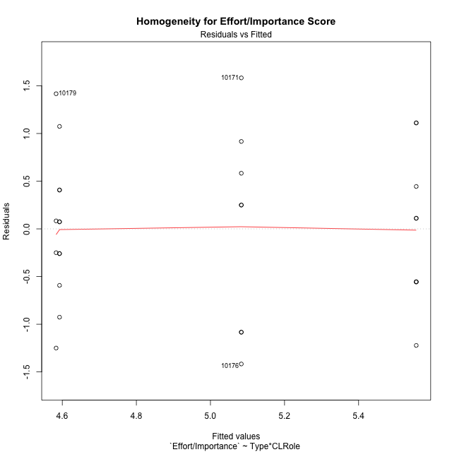

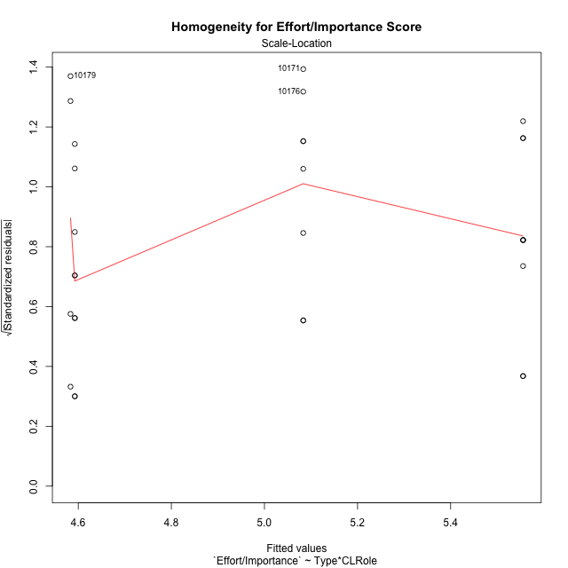

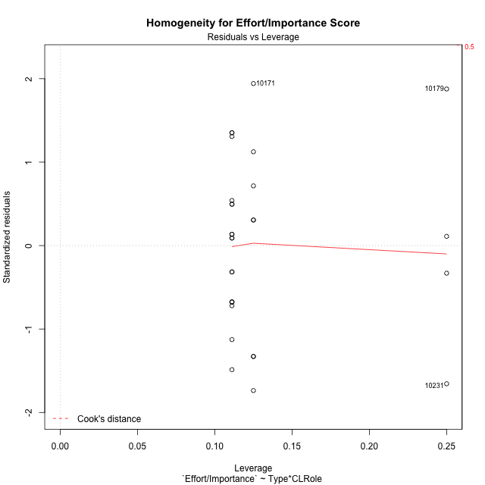

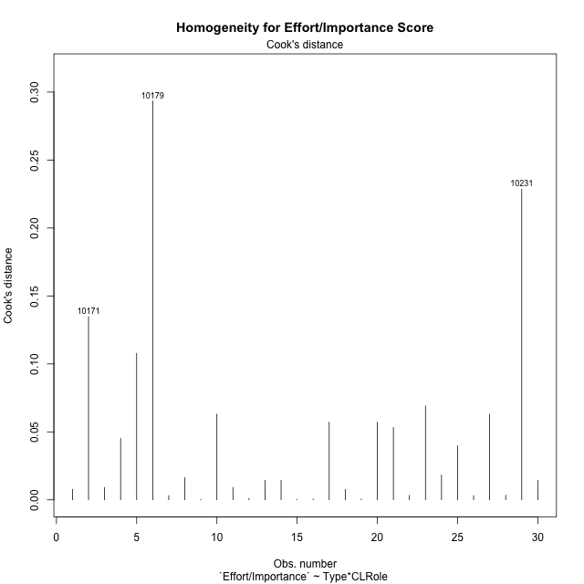

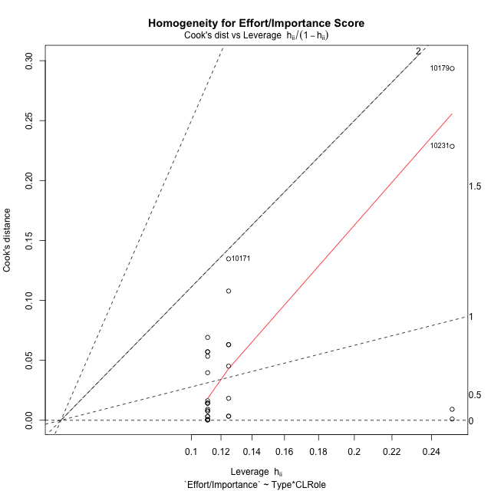

Minimum Sample Size Test for Effort/Importance Score
Type | CLRole | Freq
ont-gamified | Apprentice | 9
w/o-gamified | Apprentice | 9
ont-gamified | Master | 8
w/o-gamified | Master | 4

Errors and Warnings in Sample Size Test for ANOVA in Effort/Importance Score
code | description
WARN: sample.size | current size is 9 and recommended size is 15 for the group: 'ont-gamified:Apprentice'.
WARN: sample.size | current size is 9 and recommended size is 15 for the group: 'w/o-gamified:Apprentice'.
WARN: sample.size | current size is 8 and recommended size is 15 for the group: 'ont-gamified:Master'.
FAIL: min.size | current size is 4 but the minimal recomended size is 5 for the group: 'w/o-gamified:Master'.

For the group: 'ont-gamified:Apprentice', we recommend the use of non-parametric test. For the group: 'w/o-gamified:Apprentice', we recommend the use of non-parametric test. For the group: 'ont-gamified:Master', we recommend the use of non-parametric test. For the group: 'w/o-gamified:Master', we recommend the use of non-parametric test.

Post-hoc
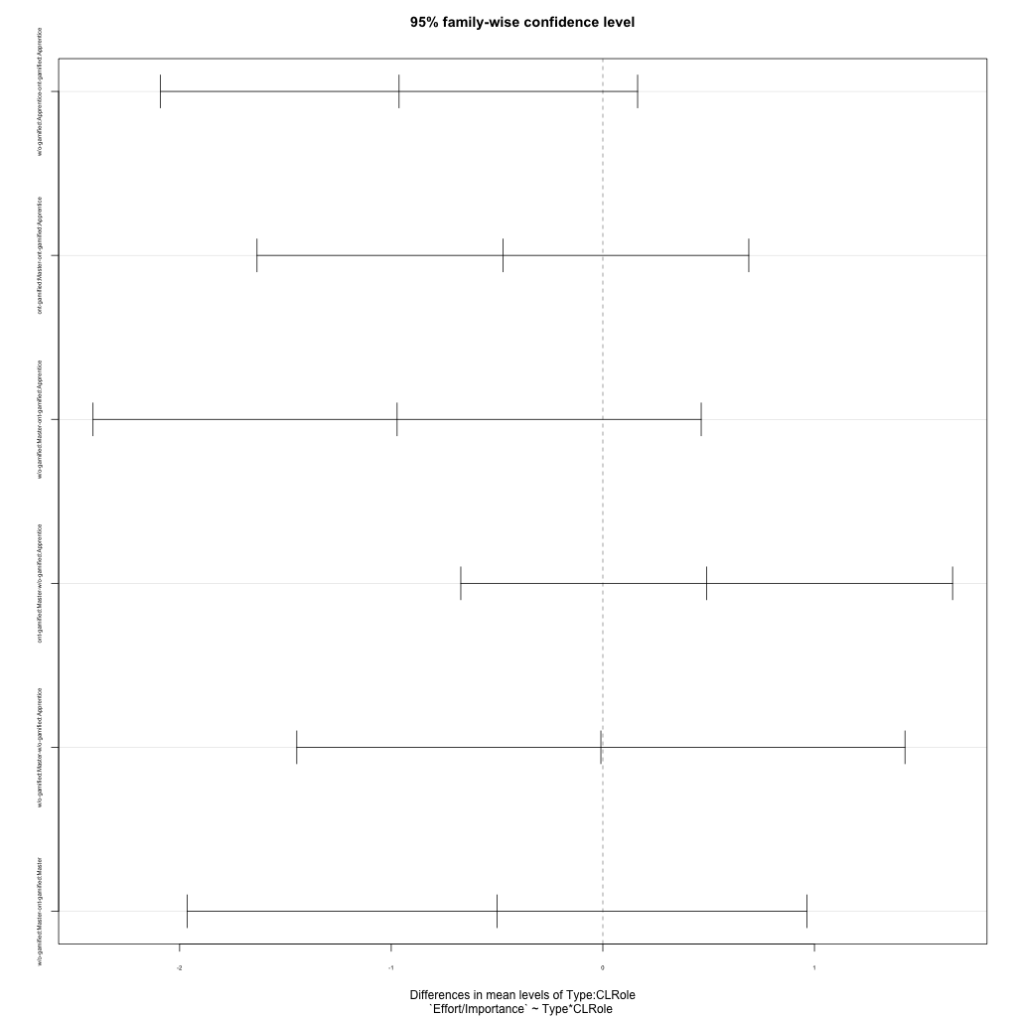
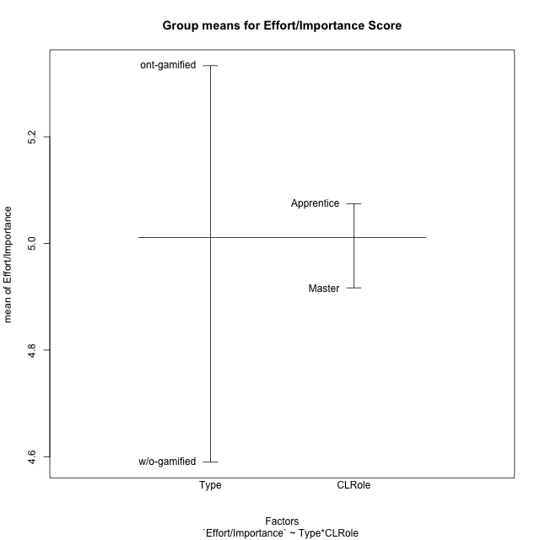
Post-hoc Tukey Honestly Significant Difference (HSD) Test for Effort/Importance Score

Comparisons of means for Type
 | diff | lwr | upr | p adj
w/o-gamified-ont-gamified | -0.74358974359 | -1.4037553979 | -0.083424089305 | 0.028751154964

Comparisons of means for CLRole
 | diff | lwr | upr | p adj
Master-Apprentice | -0.28133903134 | -0.94910177867 | 0.38642371599 | 0.3943968262

Comparisons of means for Type:CLRole
 | diff | lwr | upr | p adj
w/o-gamified:Apprentice-ont-gamified:Apprentice | -0.96296296296 | -2.0902510692 | 0.1643251433 | 0.11406452881
ont-gamified:Master-ont-gamified:Apprentice | -0.47222222222 | -1.6342042054 | 0.68975976093 | 0.68381129512
w/o-gamified:Master-ont-gamified:Apprentice | -0.97222222222 | -2.409238235 | 0.46479379059 | 0.27117954999
ont-gamified:Master-w/o-gamified:Apprentice | 0.49074074074 | -0.67124124241 | 1.6527227239 | 0.65749185769
w/o-gamified:Master-w/o-gamified:Apprentice | -0.0092592592593 | -1.4462752721 | 1.4277567536 | 0.99999795997
w/o-gamified:Master-ont-gamified:Master | -0.5 | -1.9643902061 | 0.96439020611 | 0.7855657274

Contrast Matrices for Effort/Importance Score - Type
contrast | estimate | SE | df | t.ratio | p.value
ont-gamified - w/o-gamified | 0.73148148148 | 0.33682375907 | 26 | 2.1717039306 | 0.039186997811

Contrast Matrices for Effort/Importance Score - Type:CLRole
contrast | CLRole | estimate | SE | df | t.ratio | p.value
ont-gamified - w/o-gamified | Apprentice | 0.96296296296 | 0.41092113369 | 26 | 2.3434252561 | 0.027029587364
ont-gamified - w/o-gamified | Master | 0.5 | 0.53380221109 | 26 | 0.93667652476 | 0.35754464152

Least Squares Means and Confidence Intervals for Type
Type | lsmean | SE | df | lower.CL | upper.CL | Pairs
ont-gamified | 5.3194444444 | 0.21178390475 | 26 | 4.8841163936 | 5.7547724953 | ont-gamified
w/o-gamified | 4.587962963 | 0.26191185991 | 26 | 4.0495954246 | 5.1263305013 | w/o-gamified

Least Squares Means and Confidence Intervals for Type:CLRole
Type | CLRole | lsmean | SE | df | lower.CL | upper.CL | Pairs
ont-gamified | Apprentice | 5.5555555556 | 0.29056512017 | 26 | 4.9582903972 | 6.1528207139 | ont-gamified.Apprentice
w/o-gamified | Apprentice | 4.5925925926 | 0.29056512017 | 26 | 3.9953274342 | 5.1898577509 | w/o-gamified.Apprentice
ont-gamified | Master | 5.0833333333 | 0.30819085027 | 26 | 4.4498379679 | 5.7168286988 | ont-gamified.Master
w/o-gamified | Master | 4.5833333333 | 0.43584768025 | 26 | 3.6874355958 | 5.4792310709 | w/o-gamified.Master

Plots

Type_1
Student's t-Test for Effort/Importance Score in Type between ont-gamified:w/o-gamified

Student's t-Test results
Alternative hypothesis: less
Group | N | Mean | Mean.Difference | Std.deviation | Std.error | CI.lower | CI.upper | df | t.value | p.value | g | magnitude
ont-gamified | 17 | 5.3333333333 | 0.74358974359 | 0.94280904158 | 0.22866478019 | 4.876003773 | 5.7906628937 | 27.977306101 | 2.4276830097 | 0.98905849533 | 0.84143203938 | large
w/o-gamified | 13 | 4.5897435897 | -0.74358974359 | 0.73476937871 | 0.20378835927 | 4.1821668712 | 4.9973203083 | 27.977306101 | 2.4276830097 | 0.98905849533 | 0.84143203938 | large
Alternative hypothesis: greater
Group | N | Mean | Mean.Difference | Std.deviation | Std.error | CI.lower | CI.upper | df | t.value | p.value | g | magnitude
ont-gamified | 17 | 5.3333333333 | 0.74358974359 | 0.94280904158 | 0.22866478019 | 4.876003773 | 5.7906628937 | 27.977306101 | 2.4276830097 | 0.010941504665 | 0.84143203938 | large
w/o-gamified | 13 | 4.5897435897 | -0.74358974359 | 0.73476937871 | 0.20378835927 | 4.1821668712 | 4.9973203083 | 27.977306101 | 2.4276830097 | 0.010941504665 | 0.84143203938 | large
Alternative hypothesis: two.sided
Group | N | Mean | Mean.Difference | Std.deviation | Std.error | CI.lower | CI.upper | df | t.value | p.value | g | magnitude
ont-gamified | 17 | 5.3333333333 | 0.74358974359 | 0.94280904158 | 0.22866478019 | 4.876003773 | 5.7906628937 | 27.977306101 | 2.4276830097 | 0.021883009331 | 0.84143203938 | large
w/o-gamified | 13 | 4.5897435897 | -0.74358974359 | 0.73476937871 | 0.20378835927 | 4.1821668712 | 4.9973203083 | 27.977306101 | 2.4276830097 | 0.021883009331 | 0.84143203938 | large

Box plots for Student's t-Test
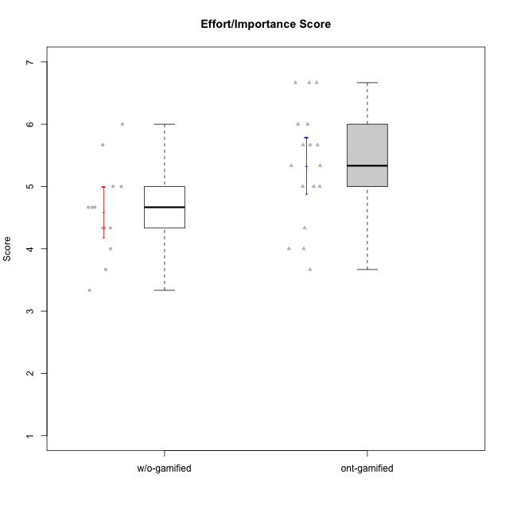

Student's t-Test data
UserID | Type | CLGroup | CLRole | PlayerRole | NroUSP | Item09IE | Item21IE | Item08IE | Item11IE | Item24IE | Item12IE | Item05PC | Item18PC | Item20PC | Item13PC | Item03PC | Item06PT | Item02PT | Item04PT | Item19EI | Item01EI | Item22EI | Item20A | Item25A | Item18A | Item07A | Item04A | Item01S | Item02S | Item09R | Item06R | Item12R | Interest/Enjoyment | Perceived Choice | Pressure/Tension | Effort/Importance | Attention | Relevance | Satisfaction | Intrinsic Motivation | Level of Motivation
10170 | w/o-gamified | Grupo11 | Apprentice |  | 10260351 | 4 | 4 | 6 | 4 | 4 | 3 | 2 | 1 | 3 | 2 | 3 | 1 | 1 | 1 | 3 | 3 | 5 | 6 | 5 | 6 | 5 | 4 | 4 | 4 | 2 | 1 | 6 | 4.1666666667 | 5.8 | 1 | 5 | 5.2 | 6.3333333333 | 4 | 5.2941176471 | 5.3
10171 | ont-gamified | Mafia | Master | Social Achiever | 698531 | 6 | 7 | 6 | 6 | 5 | 5 | 2 | 2 | 1 | 2 | 2 | 1 | 2 | 2 | 1 | 1 | 6 | 6 | 5 | 6 | 5 | 5 | 6 | 6 | 2 | 2 | 7 | 5.8333333333 | 6.2 | 1.6666666667 | 6.6666666667 | 5.4 | 6.3333333333 | 6 | 6.1764705882 | 5.8
10174 | w/o-gamified | Grupo7 | Master |  | 10276852 | 4 | 4 | 6 | 4 | 6 | 3 | 4 | 3 | 4 | 4 | 4 | 6 | 4 | 5 | 2 | 5 | 4 | 4 | 4 | 5 | 6 | 5 | 6 | 5 | 6 | 5 | 4 | 4.5 | 4.2 | 5 | 4.3333333333 | 4.8 | 3 | 5.5 | 4.1176470588 | 4.4
10175 | ont-gamified | Warriors | Master | Social Achiever | 10310700 | 4 | 4 | 4 | 4 | 4 | 4 | 1 | 1 | 1 | 1 | 3 | 1 | 1 | 1 | 1 | 1 | 4 | 5 | 5 | 5 | 6 | 6 | 6 | 6 | 2 | 1 | 7 | 4 | 6.6 | 1 | 6 | 5.4 | 6.6666666667 | 6 | 5.6470588235 | 5.9
10176 | ont-gamified | Outlaws | Master | Social Achiever | 10276949 | 4 | 4 | 4 | 4 | 4 | 3 | 4 | 5 | 4 | 6 | 4 | 6 | 4 | 6 | 5 | 4 | 4 | 5 | 5 | 5 | 4 | 4 | 4 | 4 | 4 | 4 | 4 | 3.8333333333 | 3.4 | 5.3333333333 | 3.6666666667 | 4.6 | 4 | 4 | 3.4705882353 | 4.3
10179 | w/o-gamified | Grupo10 | Master |  | 10310759 | 3 | 4 | 3 | 2 | 4 | 6 | 6 | 5 | 4 | 5 | 7 | 2 | 1 | 1 | 1 | 2 | 5 | 4 | 4 | 4 | 2 | 5 | 3 | 4 | 4 | 2 | 4 | 3.6666666667 | 2.6 | 1.3333333333 | 6 | 3.8 | 4.6666666667 | 3.5 | 4.2941176471 | 4
10183 | w/o-gamified | Grupo3 | Apprentice |  | 10352030 | 3 | 3 | 3 | 3 | 2 | 3 | 4 | 3 | 5 | 2 | 4 | 5 | 4 | 4 | 3 | 4 | 4 | 2 | 2 | 2 | 2 | 3 | 2 | 2 | 5 | 2 | 3 | 2.8333333333 | 4.4 | 4.3333333333 | 4.3333333333 | 2.2 | 4 | 2 | 3.7058823529 | 2.7
10184 | w/o-gamified | Grupo10 | Apprentice |  | 10276675 | 4 | 3 | 4 | 4 | 4 | 4 | 5 | 4 | 4 | 3 | 4 | 4 | 4 | 3 | 4 | 4 | 4 | 4 | 4 | 4 | 2 | 4 | 6 | 4 | 4 | 4 | 4 | 3.8333333333 | 4 | 3.6666666667 | 4 | 3.6 | 4 | 5 | 4 | 4
10185 | w/o-gamified | Grupo9 | Apprentice |  | 10276960 | 4 | 3 | 6 | 5 | 6 | 5 | 6 | 6 | 3 | 5 | 3 | 5 | 4 | 4 | 3 | 4 | 5 | 3 | 5 | 3 | 4 | 2 | 4 | 5 | 5 | 3 | 3 | 4.8333333333 | 3.4 | 4.3333333333 | 4.6666666667 | 3.4 | 3.6666666667 | 4.5 | 4.1764705882 | 3.7
10188 | ont-gamified | Vandals | Master | Yee Achiever | 10276995 | 3 | 3 | 4 | 1 | 3 | 4 | 1 | 1 | 1 | 3 | 3 | 1 | 1 | 1 | 3 | 2 | 1 | 3 | 4 | 4 | 2 | 4 | 3 | 3 | 2 | 2 | 4 | 3 | 6.2 | 1 | 4 | 3.4 | 5.3333333333 | 3 | 4.8235294118 | 3.9
10189 | ont-gamified | Vikings | Apprentice | Social Achiever | 9363926 | 2 | 2 | 4 | 1 | 2 | 1 | 5 | 4 | 4 | 5 | 5 | 2 | 1 | 1 | 3 | 1 | 6 | 1 | 1 | 2 | 1 | 2 | 3 | 2 | 6 | 1 | 4 | 2 | 3.4 | 1.3333333333 | 6 | 1.4 | 4.3333333333 | 2.5 | 3.9411764706 | 2.5
10191 | w/o-gamified | Grupo1 | Master |  | 10276981 | 3 | 2 | 3 | 3 | 2 | 1 | 5 | 4 | 5 | 5 | 5 | 1 | 1 | 1 | 4 | 2 | 4 | 2 | 4 | 2 | 4 | 4 | 4 | 4 | 3 | 2 | 3 | 2.3333333333 | 3.2 | 1 | 4.6666666667 | 3.2 | 4.6666666667 | 4 | 3.8235294118 | 3.8
10192 | ont-gamified | Attractive Devils | Apprentice | Social Achiever | 10276682 | 4 | 5 | 4 | 6 | 1 | 4 | 2 | 4 | 4 | 3 | 3 | 4 | 4 | 4 | 5 | 1 | 5 | 4 | 4 | 4 | 7 | 5 | 7 | 6 | 1 | 2 | 5 | 4 | 4.8 | 4 | 5 | 4.8 | 6 | 6.5 | 4.4117647059 | 5.5
10193 | ont-gamified | Vandals | Apprentice | Yee Achiever | 10276762 | 2 | 1 | 1 | 1 | 2 | 1 | 1 | 1 | 1 | 1 | 1 | 2 | 1 | 1 | 2 | 1 | 2 | 2 | 1 | 2 | 1 | 1 | 1 | 2 | 1 | 4 | 1 | 1.3333333333 | 7 | 1.3333333333 | 5 | 1.4 | 4 | 1.5 | 4.5882352941 | 2.2
10197 | w/o-gamified | Grupo8 | Apprentice |  | 10276661 | 3 | 2 | 5 | 5 | 2 | 4 | 3 | 2 | 4 | 4 | 2 | 5 | 3 | 3 | 3 | 3 | 4 | 4 | 4 | 7 | 5 | 4 | 4 | 4 | 5 | 4 | 4 | 3.5 | 5 | 3.6666666667 | 4.6666666667 | 4.8 | 3.6666666667 | 4 | 4.2941176471 | 4.3
10198 | ont-gamified | Attractive Devils | Apprentice | Social Achiever | 10310888 | 6 | 3 | 4 | 4 | 2 | 5 | 4 | 6 | 6 | 5 | 1 | 4 | 4 | 4 | 3 | 2 | 6 | 6 | 5 | 5 | 7 | 7 | 7 | 7 | 2 | 1 | 5 | 4 | 3.6 | 4 | 5.6666666667 | 6 | 6 | 7 | 4.1764705882 | 6.2
10200 | ont-gamified | Warriors | Apprentice | Social Achiever | 9795272 | 4 | 5 | 5 | 5 | 5 | 3 | 4 | 2 | 2 | 5 | 3 | 4 | 5 | 5 | 1 | 1 | 6 | 4 | 5 | 4 | 6 | 5 | 5 | 6 | 3 | 1 | 6 | 4.5 | 4.8 | 4.6666666667 | 6.6666666667 | 4.8 | 6 | 5.5 | 4.7647058824 | 5.3
10201 | w/o-gamified | Grupo11 | Apprentice |  | 10276928 | 5 | 6 | 6 | 5 | 3 | 6 | 3 | 4 | 4 | 3 | 5 | 4 | 3 | 2 | 3 | 3 | 5 | 6 | 5 | 6 | 6 | 4 | 6 | 5 | 4 | 2 | 6 | 5.1666666667 | 4.2 | 3 | 5 | 5.4 | 5.3333333333 | 5.5 | 4.8235294118 | 5.4
10202 | ont-gamified | Silly Knights | Apprentice | Social Achiever | 10277036 | 3 | 3 | 3 | 3 | 3 | 3 | 2 | 5 | 2 | 2 | 3 | 3 | 3 | 3 | 2 | 2 | 5 | 2 | 3 | 2 | 2 | 4 | 5 | 5 | 3 | 2 | 5 | 3 | 5.2 | 3 | 5.6666666667 | 2.6 | 5.3333333333 | 5 | 4.4705882353 | 3.9
10203 | ont-gamified | Mercenaries | Apprentice | Social Achiever | 9921470 | 5 | 4 | 3 | 4 | 4 | 5 | 1 | 1 | 1 | 1 | 4 | 1 | 2 | 5 | 1 | 1 | 6 | 7 | 5 | 4 | 6 | 4 | 5 | 7 | 4 | 6 | 4 | 4.1666666667 | 6.4 | 2.6666666667 | 6.6666666667 | 5.2 | 3.3333333333 | 6 | 5.4705882353 | 4.8
10206 | w/o-gamified | Grupo8 | Apprentice |  | 10310721 | 4 | 5 | 4 | 2 | 4 | 3 | 2 | 2 | 2 | 3 | 3 | 3 | 3 | 2 | 2 | 2 | 5 | 4 | 6 | 4 | 4 | 5 | 5 | 5 | 3 | 2 | 6 | 3.6666666667 | 5.6 | 2.6666666667 | 5.6666666667 | 4.6 | 5.6666666667 | 5 | 4.8823529412 | 5
10208 | ont-gamified | Mercenaries | Master | Social Achiever | 10276932 | 4 | 4 | 4 | 4 | 4 | 3 | 2 | 4 | 2 | 4 | 4 | 2 | 2 | 2 | 2 | 2 | 4 | 2 | 2 | 2 | 3 | 3 | 5 | 5 | 5 | 3 | 3 | 3.8333333333 | 4.8 | 2 | 5.3333333333 | 2.4 | 3.6666666667 | 5 | 4.7647058824 | 3.3
10209 | ont-gamified | Mafia | Apprentice | Social Achiever | 10262669 | 2 | 2 | 2 | 4 | 2 | 2 | 7 | 7 | 7 | 7 | 7 | 1 | 2 | 1 | 3 | 2 | 2 | 1 | 2 | 2 | 2 | 3 | 2 | 2 | 4 | 3 | 4 | 2.3333333333 | 1 | 1.3333333333 | 4.3333333333 | 2 | 4.3333333333 | 2 | 3.0588235294 | 2.7
10216 | ont-gamified | Silly Knights | Master | Social Achiever | 10276720 | 5 | 4 | 4 | 3 | 5 | 7 | 2 | 1 | 3 | 2 | 3 | 1 | 1 | 1 | 2 | 1 | 4 | 5 | 6 | 4 | 2 | 4 | 5 | 5 | 2 | 1 | 7 | 4.6666666667 | 5.8 | 1 | 5.6666666667 | 4.2 | 6.6666666667 | 5 | 5.5882352941 | 5.1
10217 | w/o-gamified | Grupo9 | Apprentice |  | 9805341 | 5 | 5 | 5 | 3 | 4 | 4 | 5 | 4 | 2 | 4 | 4 | 1 | 1 | 1 | 4 | 3 | 2 | 4 | 4 | 3 | 4 | 5 | 4 | 4 | 3 | 3 | 6 | 4.3333333333 | 4.2 | 1 | 3.6666666667 | 4 | 5.3333333333 | 4 | 4.6470588235 | 4.4
10218 | w/o-gamified | Grupo10 | Apprentice |  | 9842913 | 4 | 4 | 4 | 4 | 4 | 4 | 5 | 5 | 4 | 4 | 4 | 4 | 4 | 5 | 4 | 4 | 5 | 4 | 4 | 3 | 5 | 3 | 4 | 3 | 3 | 4 | 4 | 4 | 3.6 | 4.3333333333 | 4.3333333333 | 3.8 | 4.3333333333 | 3.5 | 3.8823529412 | 3.9
10223 | ont-gamified | Slayers | Master | Social Achiever | 9795185 | 5 | 5 | 6 | 4 | 5 | 5 | 4 | 3 | 4 | 4 | 4 | 2 | 4 | 4 | 4 | 4 | 4 | 4 | 4 | 3 | 4 | 4 | 4 | 5 | 2 | 3 | 7 | 5 | 4.2 | 3.3333333333 | 4 | 3.8 | 6 | 4.5 | 4.5294117647 | 4.6
10230 | ont-gamified | Resistance | Master | Social Achiever | 10351992 | 4 | 5 | 5 | 4 | 5 | 4 | 4 | 3 | 5 | 3 | 5 | 6 | 5 | 4 | 2 | 3 | 5 | 2 | 4 | 3 | 6 | 6 | 4 | 6 | 3 | 4 | 4 | 4.5 | 4 | 5 | 5.3333333333 | 4.2 | 4.3333333333 | 5 | 4.2352941176 | 4.4
10231 | w/o-gamified | Grupo9 | Master |  | 10276911 | 4 | 4 | 4 | 4 | 5 | 6 | 1 | 2 | 2 | 2 | 1 | 1 | 1 | 1 | 4 | 3 | 1 | 4 | 4 | 4 | 4 | 4 | 7 | 5 | 4 | 4 | 5 | 4.5 | 6.4 | 1 | 3.3333333333 | 4 | 4.3333333333 | 6 | 5.2941176471 | 4.5
10237 | ont-gamified | Outlaws | Apprentice | Social Achiever | 10377688 | 3 | 5 | 3 | 3 | 6 | 4 | 3 | 3 | 4 | 3 | 6 | 4 | 6 | 5 | 4 | 2 | 5 | 3 | 3 | 4 | 5 | 3 | 3 | 4 | 4 | 3 | 5 | 4 | 4.2 | 5 | 5 | 3.6 | 4.6666666667 | 3.5 | 4.0588235294 | 3.9

Type_CLRole_1
Student's t-Test for Effort/Importance Score in Type:CLRole between ont-gamified.Apprentice:ont-gamified.Master

Student's t-Test results
Alternative hypothesis: less
Group | N | Mean | Mean.Difference | Std.deviation | Std.error | CI.lower | CI.upper | df | t.value | p.value | g | magnitude
ont-gamified.Apprentice | 9 | 5.5555555556 | 0.47222222222 | 0.79930525389 | 0.26643508463 | 5.0226853863 | 6.0884257248 | 12.816263594 | 1.0141349767 | 0.83535901778 | 0.47639299576 | small
ont-gamified.Master | 8 | 5.0833333333 | -0.47222222222 | 1.0801234497 | 0.38188130791 | 4.3195707175 | 5.8470959492 | 12.816263594 | 1.0141349767 | 0.83535901778 | 0.47639299576 | small
Alternative hypothesis: greater
Group | N | Mean | Mean.Difference | Std.deviation | Std.error | CI.lower | CI.upper | df | t.value | p.value | g | magnitude
ont-gamified.Apprentice | 9 | 5.5555555556 | 0.47222222222 | 0.79930525389 | 0.26643508463 | 5.0226853863 | 6.0884257248 | 12.816263594 | 1.0141349767 | 0.16464098222 | 0.47639299576 | small
ont-gamified.Master | 8 | 5.0833333333 | -0.47222222222 | 1.0801234497 | 0.38188130791 | 4.3195707175 | 5.8470959492 | 12.816263594 | 1.0141349767 | 0.16464098222 | 0.47639299576 | small
Alternative hypothesis: two.sided
Group | N | Mean | Mean.Difference | Std.deviation | Std.error | CI.lower | CI.upper | df | t.value | p.value | g | magnitude
ont-gamified.Apprentice | 9 | 5.5555555556 | 0.47222222222 | 0.79930525389 | 0.26643508463 | 5.0226853863 | 6.0884257248 | 12.816263594 | 1.0141349767 | 0.32928196444 | 0.47639299576 | small
ont-gamified.Master | 8 | 5.0833333333 | -0.47222222222 | 1.0801234497 | 0.38188130791 | 4.3195707175 | 5.8470959492 | 12.816263594 | 1.0141349767 | 0.32928196444 | 0.47639299576 | small

Box plots for Student's t-Test
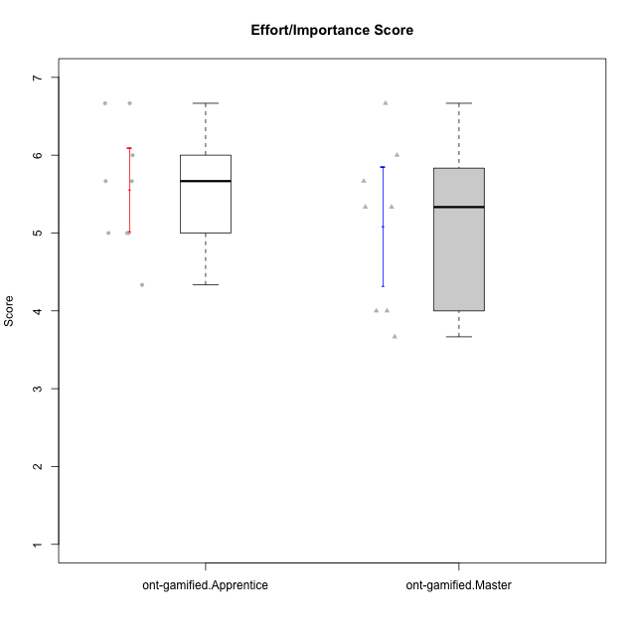

Student's t-Test data
UserID | Type | CLGroup | CLRole | PlayerRole | NroUSP | Item09IE | Item21IE | Item08IE | Item11IE | Item24IE | Item12IE | Item05PC | Item18PC | Item20PC | Item13PC | Item03PC | Item06PT | Item02PT | Item04PT | Item19EI | Item01EI | Item22EI | Item20A | Item25A | Item18A | Item07A | Item04A | Item01S | Item02S | Item09R | Item06R | Item12R | Interest/Enjoyment | Perceived Choice | Pressure/Tension | Effort/Importance | Attention | Relevance | Satisfaction | Intrinsic Motivation | Level of Motivation
10171 | ont-gamified | Mafia | Master | Social Achiever | 698531 | 6 | 7 | 6 | 6 | 5 | 5 | 2 | 2 | 1 | 2 | 2 | 1 | 2 | 2 | 1 | 1 | 6 | 6 | 5 | 6 | 5 | 5 | 6 | 6 | 2 | 2 | 7 | 5.8333333333 | 6.2 | 1.6666666667 | 6.6666666667 | 5.4 | 6.3333333333 | 6 | 6.1764705882 | 5.8
10175 | ont-gamified | Warriors | Master | Social Achiever | 10310700 | 4 | 4 | 4 | 4 | 4 | 4 | 1 | 1 | 1 | 1 | 3 | 1 | 1 | 1 | 1 | 1 | 4 | 5 | 5 | 5 | 6 | 6 | 6 | 6 | 2 | 1 | 7 | 4 | 6.6 | 1 | 6 | 5.4 | 6.6666666667 | 6 | 5.6470588235 | 5.9
10176 | ont-gamified | Outlaws | Master | Social Achiever | 10276949 | 4 | 4 | 4 | 4 | 4 | 3 | 4 | 5 | 4 | 6 | 4 | 6 | 4 | 6 | 5 | 4 | 4 | 5 | 5 | 5 | 4 | 4 | 4 | 4 | 4 | 4 | 4 | 3.8333333333 | 3.4 | 5.3333333333 | 3.6666666667 | 4.6 | 4 | 4 | 3.4705882353 | 4.3
10188 | ont-gamified | Vandals | Master | Yee Achiever | 10276995 | 3 | 3 | 4 | 1 | 3 | 4 | 1 | 1 | 1 | 3 | 3 | 1 | 1 | 1 | 3 | 2 | 1 | 3 | 4 | 4 | 2 | 4 | 3 | 3 | 2 | 2 | 4 | 3 | 6.2 | 1 | 4 | 3.4 | 5.3333333333 | 3 | 4.8235294118 | 3.9
10189 | ont-gamified | Vikings | Apprentice | Social Achiever | 9363926 | 2 | 2 | 4 | 1 | 2 | 1 | 5 | 4 | 4 | 5 | 5 | 2 | 1 | 1 | 3 | 1 | 6 | 1 | 1 | 2 | 1 | 2 | 3 | 2 | 6 | 1 | 4 | 2 | 3.4 | 1.3333333333 | 6 | 1.4 | 4.3333333333 | 2.5 | 3.9411764706 | 2.5
10192 | ont-gamified | Attractive Devils | Apprentice | Social Achiever | 10276682 | 4 | 5 | 4 | 6 | 1 | 4 | 2 | 4 | 4 | 3 | 3 | 4 | 4 | 4 | 5 | 1 | 5 | 4 | 4 | 4 | 7 | 5 | 7 | 6 | 1 | 2 | 5 | 4 | 4.8 | 4 | 5 | 4.8 | 6 | 6.5 | 4.4117647059 | 5.5
10193 | ont-gamified | Vandals | Apprentice | Yee Achiever | 10276762 | 2 | 1 | 1 | 1 | 2 | 1 | 1 | 1 | 1 | 1 | 1 | 2 | 1 | 1 | 2 | 1 | 2 | 2 | 1 | 2 | 1 | 1 | 1 | 2 | 1 | 4 | 1 | 1.3333333333 | 7 | 1.3333333333 | 5 | 1.4 | 4 | 1.5 | 4.5882352941 | 2.2
10198 | ont-gamified | Attractive Devils | Apprentice | Social Achiever | 10310888 | 6 | 3 | 4 | 4 | 2 | 5 | 4 | 6 | 6 | 5 | 1 | 4 | 4 | 4 | 3 | 2 | 6 | 6 | 5 | 5 | 7 | 7 | 7 | 7 | 2 | 1 | 5 | 4 | 3.6 | 4 | 5.6666666667 | 6 | 6 | 7 | 4.1764705882 | 6.2
10200 | ont-gamified | Warriors | Apprentice | Social Achiever | 9795272 | 4 | 5 | 5 | 5 | 5 | 3 | 4 | 2 | 2 | 5 | 3 | 4 | 5 | 5 | 1 | 1 | 6 | 4 | 5 | 4 | 6 | 5 | 5 | 6 | 3 | 1 | 6 | 4.5 | 4.8 | 4.6666666667 | 6.6666666667 | 4.8 | 6 | 5.5 | 4.7647058824 | 5.3
10202 | ont-gamified | Silly Knights | Apprentice | Social Achiever | 10277036 | 3 | 3 | 3 | 3 | 3 | 3 | 2 | 5 | 2 | 2 | 3 | 3 | 3 | 3 | 2 | 2 | 5 | 2 | 3 | 2 | 2 | 4 | 5 | 5 | 3 | 2 | 5 | 3 | 5.2 | 3 | 5.6666666667 | 2.6 | 5.3333333333 | 5 | 4.4705882353 | 3.9
10203 | ont-gamified | Mercenaries | Apprentice | Social Achiever | 9921470 | 5 | 4 | 3 | 4 | 4 | 5 | 1 | 1 | 1 | 1 | 4 | 1 | 2 | 5 | 1 | 1 | 6 | 7 | 5 | 4 | 6 | 4 | 5 | 7 | 4 | 6 | 4 | 4.1666666667 | 6.4 | 2.6666666667 | 6.6666666667 | 5.2 | 3.3333333333 | 6 | 5.4705882353 | 4.8
10208 | ont-gamified | Mercenaries | Master | Social Achiever | 10276932 | 4 | 4 | 4 | 4 | 4 | 3 | 2 | 4 | 2 | 4 | 4 | 2 | 2 | 2 | 2 | 2 | 4 | 2 | 2 | 2 | 3 | 3 | 5 | 5 | 5 | 3 | 3 | 3.8333333333 | 4.8 | 2 | 5.3333333333 | 2.4 | 3.6666666667 | 5 | 4.7647058824 | 3.3
10209 | ont-gamified | Mafia | Apprentice | Social Achiever | 10262669 | 2 | 2 | 2 | 4 | 2 | 2 | 7 | 7 | 7 | 7 | 7 | 1 | 2 | 1 | 3 | 2 | 2 | 1 | 2 | 2 | 2 | 3 | 2 | 2 | 4 | 3 | 4 | 2.3333333333 | 1 | 1.3333333333 | 4.3333333333 | 2 | 4.3333333333 | 2 | 3.0588235294 | 2.7
10216 | ont-gamified | Silly Knights | Master | Social Achiever | 10276720 | 5 | 4 | 4 | 3 | 5 | 7 | 2 | 1 | 3 | 2 | 3 | 1 | 1 | 1 | 2 | 1 | 4 | 5 | 6 | 4 | 2 | 4 | 5 | 5 | 2 | 1 | 7 | 4.6666666667 | 5.8 | 1 | 5.6666666667 | 4.2 | 6.6666666667 | 5 | 5.5882352941 | 5.1
10223 | ont-gamified | Slayers | Master | Social Achiever | 9795185 | 5 | 5 | 6 | 4 | 5 | 5 | 4 | 3 | 4 | 4 | 4 | 2 | 4 | 4 | 4 | 4 | 4 | 4 | 4 | 3 | 4 | 4 | 4 | 5 | 2 | 3 | 7 | 5 | 4.2 | 3.3333333333 | 4 | 3.8 | 6 | 4.5 | 4.5294117647 | 4.6
10230 | ont-gamified | Resistance | Master | Social Achiever | 10351992 | 4 | 5 | 5 | 4 | 5 | 4 | 4 | 3 | 5 | 3 | 5 | 6 | 5 | 4 | 2 | 3 | 5 | 2 | 4 | 3 | 6 | 6 | 4 | 6 | 3 | 4 | 4 | 4.5 | 4 | 5 | 5.3333333333 | 4.2 | 4.3333333333 | 5 | 4.2352941176 | 4.4
10237 | ont-gamified | Outlaws | Apprentice | Social Achiever | 10377688 | 3 | 5 | 3 | 3 | 6 | 4 | 3 | 3 | 4 | 3 | 6 | 4 | 6 | 5 | 4 | 2 | 5 | 3 | 3 | 4 | 5 | 3 | 3 | 4 | 4 | 3 | 5 | 4 | 4.2 | 5 | 5 | 3.6 | 4.6666666667 | 3.5 | 4.0588235294 | 3.9

Type_CLRole_2
Student's t-Test for Effort/Importance Score in Type:CLRole between ont-gamified.Apprentice:w/o-gamified.Apprentice

Student's t-Test results
Alternative hypothesis: less
Group | N | Mean | Mean.Difference | Std.deviation | Std.error | CI.lower | CI.upper | df | t.value | p.value | g | magnitude
ont-gamified.Apprentice | 9 | 5.5555555556 | 0.96296296296 | 0.79930525389 | 0.26643508463 | 5.0226853863 | 6.0884257248 | 14.79245283 | 2.8978467054 | 0.99441548139 | 1.3010076547 | large
w/o-gamified.Apprentice | 9 | 4.5925925926 | -0.96296296296 | 0.59576696082 | 0.19858898694 | 4.1954146187 | 4.9897705665 | 14.79245283 | 2.8978467054 | 0.99441548139 | 1.3010076547 | large
Alternative hypothesis: greater
Group | N | Mean | Mean.Difference | Std.deviation | Std.error | CI.lower | CI.upper | df | t.value | p.value | g | magnitude
ont-gamified.Apprentice | 9 | 5.5555555556 | 0.96296296296 | 0.79930525389 | 0.26643508463 | 5.0226853863 | 6.0884257248 | 14.79245283 | 2.8978467054 | 0.0055845186098 | 1.3010076547 | large
w/o-gamified.Apprentice | 9 | 4.5925925926 | -0.96296296296 | 0.59576696082 | 0.19858898694 | 4.1954146187 | 4.9897705665 | 14.79245283 | 2.8978467054 | 0.0055845186098 | 1.3010076547 | large
Alternative hypothesis: two.sided
Group | N | Mean | Mean.Difference | Std.deviation | Std.error | CI.lower | CI.upper | df | t.value | p.value | g | magnitude
ont-gamified.Apprentice | 9 | 5.5555555556 | 0.96296296296 | 0.79930525389 | 0.26643508463 | 5.0226853863 | 6.0884257248 | 14.79245283 | 2.8978467054 | 0.01116903722 | 1.3010076547 | large
w/o-gamified.Apprentice | 9 | 4.5925925926 | -0.96296296296 | 0.59576696082 | 0.19858898694 | 4.1954146187 | 4.9897705665 | 14.79245283 | 2.8978467054 | 0.01116903722 | 1.3010076547 | large

Box plots for Student's t-Test
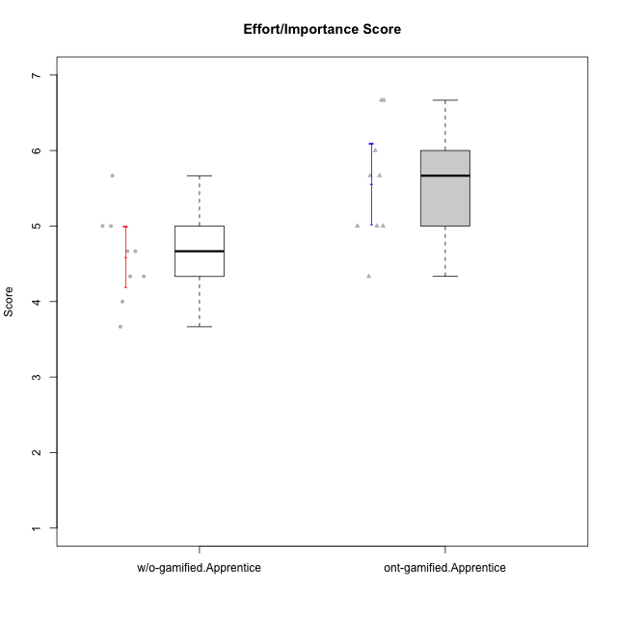

Student's t-Test data
UserID | Type | CLGroup | CLRole | PlayerRole | NroUSP | Item09IE | Item21IE | Item08IE | Item11IE | Item24IE | Item12IE | Item05PC | Item18PC | Item20PC | Item13PC | Item03PC | Item06PT | Item02PT | Item04PT | Item19EI | Item01EI | Item22EI | Item20A | Item25A | Item18A | Item07A | Item04A | Item01S | Item02S | Item09R | Item06R | Item12R | Interest/Enjoyment | Perceived Choice | Pressure/Tension | Effort/Importance | Attention | Relevance | Satisfaction | Intrinsic Motivation | Level of Motivation
10170 | w/o-gamified | Grupo11 | Apprentice |  | 10260351 | 4 | 4 | 6 | 4 | 4 | 3 | 2 | 1 | 3 | 2 | 3 | 1 | 1 | 1 | 3 | 3 | 5 | 6 | 5 | 6 | 5 | 4 | 4 | 4 | 2 | 1 | 6 | 4.1666666667 | 5.8 | 1 | 5 | 5.2 | 6.3333333333 | 4 | 5.2941176471 | 5.3
10183 | w/o-gamified | Grupo3 | Apprentice |  | 10352030 | 3 | 3 | 3 | 3 | 2 | 3 | 4 | 3 | 5 | 2 | 4 | 5 | 4 | 4 | 3 | 4 | 4 | 2 | 2 | 2 | 2 | 3 | 2 | 2 | 5 | 2 | 3 | 2.8333333333 | 4.4 | 4.3333333333 | 4.3333333333 | 2.2 | 4 | 2 | 3.7058823529 | 2.7
10184 | w/o-gamified | Grupo10 | Apprentice |  | 10276675 | 4 | 3 | 4 | 4 | 4 | 4 | 5 | 4 | 4 | 3 | 4 | 4 | 4 | 3 | 4 | 4 | 4 | 4 | 4 | 4 | 2 | 4 | 6 | 4 | 4 | 4 | 4 | 3.8333333333 | 4 | 3.6666666667 | 4 | 3.6 | 4 | 5 | 4 | 4
10185 | w/o-gamified | Grupo9 | Apprentice |  | 10276960 | 4 | 3 | 6 | 5 | 6 | 5 | 6 | 6 | 3 | 5 | 3 | 5 | 4 | 4 | 3 | 4 | 5 | 3 | 5 | 3 | 4 | 2 | 4 | 5 | 5 | 3 | 3 | 4.8333333333 | 3.4 | 4.3333333333 | 4.6666666667 | 3.4 | 3.6666666667 | 4.5 | 4.1764705882 | 3.7
10189 | ont-gamified | Vikings | Apprentice | Social Achiever | 9363926 | 2 | 2 | 4 | 1 | 2 | 1 | 5 | 4 | 4 | 5 | 5 | 2 | 1 | 1 | 3 | 1 | 6 | 1 | 1 | 2 | 1 | 2 | 3 | 2 | 6 | 1 | 4 | 2 | 3.4 | 1.3333333333 | 6 | 1.4 | 4.3333333333 | 2.5 | 3.9411764706 | 2.5
10192 | ont-gamified | Attractive Devils | Apprentice | Social Achiever | 10276682 | 4 | 5 | 4 | 6 | 1 | 4 | 2 | 4 | 4 | 3 | 3 | 4 | 4 | 4 | 5 | 1 | 5 | 4 | 4 | 4 | 7 | 5 | 7 | 6 | 1 | 2 | 5 | 4 | 4.8 | 4 | 5 | 4.8 | 6 | 6.5 | 4.4117647059 | 5.5
10193 | ont-gamified | Vandals | Apprentice | Yee Achiever | 10276762 | 2 | 1 | 1 | 1 | 2 | 1 | 1 | 1 | 1 | 1 | 1 | 2 | 1 | 1 | 2 | 1 | 2 | 2 | 1 | 2 | 1 | 1 | 1 | 2 | 1 | 4 | 1 | 1.3333333333 | 7 | 1.3333333333 | 5 | 1.4 | 4 | 1.5 | 4.5882352941 | 2.2
10197 | w/o-gamified | Grupo8 | Apprentice |  | 10276661 | 3 | 2 | 5 | 5 | 2 | 4 | 3 | 2 | 4 | 4 | 2 | 5 | 3 | 3 | 3 | 3 | 4 | 4 | 4 | 7 | 5 | 4 | 4 | 4 | 5 | 4 | 4 | 3.5 | 5 | 3.6666666667 | 4.6666666667 | 4.8 | 3.6666666667 | 4 | 4.2941176471 | 4.3
10198 | ont-gamified | Attractive Devils | Apprentice | Social Achiever | 10310888 | 6 | 3 | 4 | 4 | 2 | 5 | 4 | 6 | 6 | 5 | 1 | 4 | 4 | 4 | 3 | 2 | 6 | 6 | 5 | 5 | 7 | 7 | 7 | 7 | 2 | 1 | 5 | 4 | 3.6 | 4 | 5.6666666667 | 6 | 6 | 7 | 4.1764705882 | 6.2
10200 | ont-gamified | Warriors | Apprentice | Social Achiever | 9795272 | 4 | 5 | 5 | 5 | 5 | 3 | 4 | 2 | 2 | 5 | 3 | 4 | 5 | 5 | 1 | 1 | 6 | 4 | 5 | 4 | 6 | 5 | 5 | 6 | 3 | 1 | 6 | 4.5 | 4.8 | 4.6666666667 | 6.6666666667 | 4.8 | 6 | 5.5 | 4.7647058824 | 5.3
10201 | w/o-gamified | Grupo11 | Apprentice |  | 10276928 | 5 | 6 | 6 | 5 | 3 | 6 | 3 | 4 | 4 | 3 | 5 | 4 | 3 | 2 | 3 | 3 | 5 | 6 | 5 | 6 | 6 | 4 | 6 | 5 | 4 | 2 | 6 | 5.1666666667 | 4.2 | 3 | 5 | 5.4 | 5.3333333333 | 5.5 | 4.8235294118 | 5.4
10202 | ont-gamified | Silly Knights | Apprentice | Social Achiever | 10277036 | 3 | 3 | 3 | 3 | 3 | 3 | 2 | 5 | 2 | 2 | 3 | 3 | 3 | 3 | 2 | 2 | 5 | 2 | 3 | 2 | 2 | 4 | 5 | 5 | 3 | 2 | 5 | 3 | 5.2 | 3 | 5.6666666667 | 2.6 | 5.3333333333 | 5 | 4.4705882353 | 3.9
10203 | ont-gamified | Mercenaries | Apprentice | Social Achiever | 9921470 | 5 | 4 | 3 | 4 | 4 | 5 | 1 | 1 | 1 | 1 | 4 | 1 | 2 | 5 | 1 | 1 | 6 | 7 | 5 | 4 | 6 | 4 | 5 | 7 | 4 | 6 | 4 | 4.1666666667 | 6.4 | 2.6666666667 | 6.6666666667 | 5.2 | 3.3333333333 | 6 | 5.4705882353 | 4.8
10206 | w/o-gamified | Grupo8 | Apprentice |  | 10310721 | 4 | 5 | 4 | 2 | 4 | 3 | 2 | 2 | 2 | 3 | 3 | 3 | 3 | 2 | 2 | 2 | 5 | 4 | 6 | 4 | 4 | 5 | 5 | 5 | 3 | 2 | 6 | 3.6666666667 | 5.6 | 2.6666666667 | 5.6666666667 | 4.6 | 5.6666666667 | 5 | 4.8823529412 | 5
10209 | ont-gamified | Mafia | Apprentice | Social Achiever | 10262669 | 2 | 2 | 2 | 4 | 2 | 2 | 7 | 7 | 7 | 7 | 7 | 1 | 2 | 1 | 3 | 2 | 2 | 1 | 2 | 2 | 2 | 3 | 2 | 2 | 4 | 3 | 4 | 2.3333333333 | 1 | 1.3333333333 | 4.3333333333 | 2 | 4.3333333333 | 2 | 3.0588235294 | 2.7
10217 | w/o-gamified | Grupo9 | Apprentice |  | 9805341 | 5 | 5 | 5 | 3 | 4 | 4 | 5 | 4 | 2 | 4 | 4 | 1 | 1 | 1 | 4 | 3 | 2 | 4 | 4 | 3 | 4 | 5 | 4 | 4 | 3 | 3 | 6 | 4.3333333333 | 4.2 | 1 | 3.6666666667 | 4 | 5.3333333333 | 4 | 4.6470588235 | 4.4
10218 | w/o-gamified | Grupo10 | Apprentice |  | 9842913 | 4 | 4 | 4 | 4 | 4 | 4 | 5 | 5 | 4 | 4 | 4 | 4 | 4 | 5 | 4 | 4 | 5 | 4 | 4 | 3 | 5 | 3 | 4 | 3 | 3 | 4 | 4 | 4 | 3.6 | 4.3333333333 | 4.3333333333 | 3.8 | 4.3333333333 | 3.5 | 3.8823529412 | 3.9
10237 | ont-gamified | Outlaws | Apprentice | Social Achiever | 10377688 | 3 | 5 | 3 | 3 | 6 | 4 | 3 | 3 | 4 | 3 | 6 | 4 | 6 | 5 | 4 | 2 | 5 | 3 | 3 | 4 | 5 | 3 | 3 | 4 | 4 | 3 | 5 | 4 | 4.2 | 5 | 5 | 3.6 | 4.6666666667 | 3.5 | 4.0588235294 | 3.9

Type_CLRole_3
Student's t-Test for Effort/Importance Score in Type:CLRole between ont-gamified.Apprentice:w/o-gamified.Master

Student's t-Test results
Alternative hypothesis: less
Group | N | Mean | Mean.Difference | Std.deviation | Std.error | CI.lower | CI.upper | df | t.value | p.value | g | magnitude
ont-gamified.Apprentice | 9 | 5.5555555556 | 0.97222222222 | 0.79930525389 | 0.26643508463 | 5.0226853863 | 6.0884257248 | 4.4769798824 | 1.5892681322 | 0.91019282107 | 1.0140267116 | large
w/o-gamified.Master | 4 | 4.5833333333 | -0.97222222222 | 1.1013459779 | 0.55067298893 | 3.4819873555 | 5.6846793112 | 4.4769798824 | 1.5892681322 | 0.91019282107 | 1.0140267116 | large
Alternative hypothesis: greater
Group | N | Mean | Mean.Difference | Std.deviation | Std.error | CI.lower | CI.upper | df | t.value | p.value | g | magnitude
ont-gamified.Apprentice | 9 | 5.5555555556 | 0.97222222222 | 0.79930525389 | 0.26643508463 | 5.0226853863 | 6.0884257248 | 4.4769798824 | 1.5892681322 | 0.089807178927 | 1.0140267116 | large
w/o-gamified.Master | 4 | 4.5833333333 | -0.97222222222 | 1.1013459779 | 0.55067298893 | 3.4819873555 | 5.6846793112 | 4.4769798824 | 1.5892681322 | 0.089807178927 | 1.0140267116 | large
Alternative hypothesis: two.sided
Group | N | Mean | Mean.Difference | Std.deviation | Std.error | CI.lower | CI.upper | df | t.value | p.value | g | magnitude
ont-gamified.Apprentice | 9 | 5.5555555556 | 0.97222222222 | 0.79930525389 | 0.26643508463 | 5.0226853863 | 6.0884257248 | 4.4769798824 | 1.5892681322 | 0.17961435785 | 1.0140267116 | large
w/o-gamified.Master | 4 | 4.5833333333 | -0.97222222222 | 1.1013459779 | 0.55067298893 | 3.4819873555 | 5.6846793112 | 4.4769798824 | 1.5892681322 | 0.17961435785 | 1.0140267116 | large

Box plots for Student's t-Test
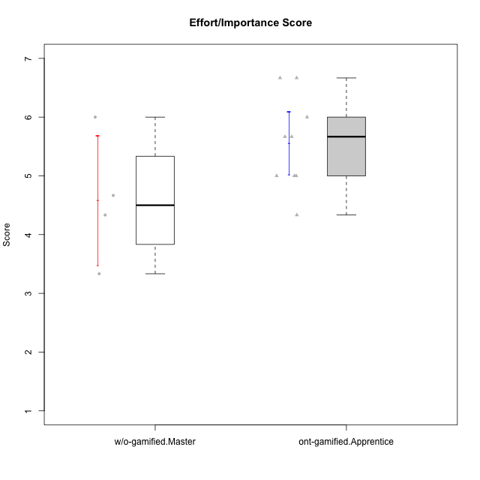

Student's t-Test data
UserID | Type | CLGroup | CLRole | PlayerRole | NroUSP | Item09IE | Item21IE | Item08IE | Item11IE | Item24IE | Item12IE | Item05PC | Item18PC | Item20PC | Item13PC | Item03PC | Item06PT | Item02PT | Item04PT | Item19EI | Item01EI | Item22EI | Item20A | Item25A | Item18A | Item07A | Item04A | Item01S | Item02S | Item09R | Item06R | Item12R | Interest/Enjoyment | Perceived Choice | Pressure/Tension | Effort/Importance | Attention | Relevance | Satisfaction | Intrinsic Motivation | Level of Motivation
10174 | w/o-gamified | Grupo7 | Master |  | 10276852 | 4 | 4 | 6 | 4 | 6 | 3 | 4 | 3 | 4 | 4 | 4 | 6 | 4 | 5 | 2 | 5 | 4 | 4 | 4 | 5 | 6 | 5 | 6 | 5 | 6 | 5 | 4 | 4.5 | 4.2 | 5 | 4.3333333333 | 4.8 | 3 | 5.5 | 4.1176470588 | 4.4
10179 | w/o-gamified | Grupo10 | Master |  | 10310759 | 3 | 4 | 3 | 2 | 4 | 6 | 6 | 5 | 4 | 5 | 7 | 2 | 1 | 1 | 1 | 2 | 5 | 4 | 4 | 4 | 2 | 5 | 3 | 4 | 4 | 2 | 4 | 3.6666666667 | 2.6 | 1.3333333333 | 6 | 3.8 | 4.6666666667 | 3.5 | 4.2941176471 | 4
10189 | ont-gamified | Vikings | Apprentice | Social Achiever | 9363926 | 2 | 2 | 4 | 1 | 2 | 1 | 5 | 4 | 4 | 5 | 5 | 2 | 1 | 1 | 3 | 1 | 6 | 1 | 1 | 2 | 1 | 2 | 3 | 2 | 6 | 1 | 4 | 2 | 3.4 | 1.3333333333 | 6 | 1.4 | 4.3333333333 | 2.5 | 3.9411764706 | 2.5
10191 | w/o-gamified | Grupo1 | Master |  | 10276981 | 3 | 2 | 3 | 3 | 2 | 1 | 5 | 4 | 5 | 5 | 5 | 1 | 1 | 1 | 4 | 2 | 4 | 2 | 4 | 2 | 4 | 4 | 4 | 4 | 3 | 2 | 3 | 2.3333333333 | 3.2 | 1 | 4.6666666667 | 3.2 | 4.6666666667 | 4 | 3.8235294118 | 3.8
10192 | ont-gamified | Attractive Devils | Apprentice | Social Achiever | 10276682 | 4 | 5 | 4 | 6 | 1 | 4 | 2 | 4 | 4 | 3 | 3 | 4 | 4 | 4 | 5 | 1 | 5 | 4 | 4 | 4 | 7 | 5 | 7 | 6 | 1 | 2 | 5 | 4 | 4.8 | 4 | 5 | 4.8 | 6 | 6.5 | 4.4117647059 | 5.5
10193 | ont-gamified | Vandals | Apprentice | Yee Achiever | 10276762 | 2 | 1 | 1 | 1 | 2 | 1 | 1 | 1 | 1 | 1 | 1 | 2 | 1 | 1 | 2 | 1 | 2 | 2 | 1 | 2 | 1 | 1 | 1 | 2 | 1 | 4 | 1 | 1.3333333333 | 7 | 1.3333333333 | 5 | 1.4 | 4 | 1.5 | 4.5882352941 | 2.2
10198 | ont-gamified | Attractive Devils | Apprentice | Social Achiever | 10310888 | 6 | 3 | 4 | 4 | 2 | 5 | 4 | 6 | 6 | 5 | 1 | 4 | 4 | 4 | 3 | 2 | 6 | 6 | 5 | 5 | 7 | 7 | 7 | 7 | 2 | 1 | 5 | 4 | 3.6 | 4 | 5.6666666667 | 6 | 6 | 7 | 4.1764705882 | 6.2
10200 | ont-gamified | Warriors | Apprentice | Social Achiever | 9795272 | 4 | 5 | 5 | 5 | 5 | 3 | 4 | 2 | 2 | 5 | 3 | 4 | 5 | 5 | 1 | 1 | 6 | 4 | 5 | 4 | 6 | 5 | 5 | 6 | 3 | 1 | 6 | 4.5 | 4.8 | 4.6666666667 | 6.6666666667 | 4.8 | 6 | 5.5 | 4.7647058824 | 5.3
10202 | ont-gamified | Silly Knights | Apprentice | Social Achiever | 10277036 | 3 | 3 | 3 | 3 | 3 | 3 | 2 | 5 | 2 | 2 | 3 | 3 | 3 | 3 | 2 | 2 | 5 | 2 | 3 | 2 | 2 | 4 | 5 | 5 | 3 | 2 | 5 | 3 | 5.2 | 3 | 5.6666666667 | 2.6 | 5.3333333333 | 5 | 4.4705882353 | 3.9
10203 | ont-gamified | Mercenaries | Apprentice | Social Achiever | 9921470 | 5 | 4 | 3 | 4 | 4 | 5 | 1 | 1 | 1 | 1 | 4 | 1 | 2 | 5 | 1 | 1 | 6 | 7 | 5 | 4 | 6 | 4 | 5 | 7 | 4 | 6 | 4 | 4.1666666667 | 6.4 | 2.6666666667 | 6.6666666667 | 5.2 | 3.3333333333 | 6 | 5.4705882353 | 4.8
10209 | ont-gamified | Mafia | Apprentice | Social Achiever | 10262669 | 2 | 2 | 2 | 4 | 2 | 2 | 7 | 7 | 7 | 7 | 7 | 1 | 2 | 1 | 3 | 2 | 2 | 1 | 2 | 2 | 2 | 3 | 2 | 2 | 4 | 3 | 4 | 2.3333333333 | 1 | 1.3333333333 | 4.3333333333 | 2 | 4.3333333333 | 2 | 3.0588235294 | 2.7
10231 | w/o-gamified | Grupo9 | Master |  | 10276911 | 4 | 4 | 4 | 4 | 5 | 6 | 1 | 2 | 2 | 2 | 1 | 1 | 1 | 1 | 4 | 3 | 1 | 4 | 4 | 4 | 4 | 4 | 7 | 5 | 4 | 4 | 5 | 4.5 | 6.4 | 1 | 3.3333333333 | 4 | 4.3333333333 | 6 | 5.2941176471 | 4.5
10237 | ont-gamified | Outlaws | Apprentice | Social Achiever | 10377688 | 3 | 5 | 3 | 3 | 6 | 4 | 3 | 3 | 4 | 3 | 6 | 4 | 6 | 5 | 4 | 2 | 5 | 3 | 3 | 4 | 5 | 3 | 3 | 4 | 4 | 3 | 5 | 4 | 4.2 | 5 | 5 | 3.6 | 4.6666666667 | 3.5 | 4.0588235294 | 3.9

Type_CLRole_4
Student's t-Test for Effort/Importance Score in Type:CLRole between ont-gamified.Master:w/o-gamified.Apprentice

Student's t-Test results
Alternative hypothesis: less
Group | N | Mean | Mean.Difference | Std.deviation | Std.error | CI.lower | CI.upper | df | t.value | p.value | g | magnitude
ont-gamified.Master | 8 | 5.0833333333 | 0.49074074074 | 1.0801234497 | 0.38188130791 | 4.3195707175 | 5.8470959492 | 10.618452317 | 1.1401145449 | 0.86034868716 | 0.54377043944 | medium
w/o-gamified.Apprentice | 9 | 4.5925925926 | -0.49074074074 | 0.59576696082 | 0.19858898694 | 4.1954146187 | 4.9897705665 | 10.618452317 | 1.1401145449 | 0.86034868716 | 0.54377043944 | medium
Alternative hypothesis: greater
Group | N | Mean | Mean.Difference | Std.deviation | Std.error | CI.lower | CI.upper | df | t.value | p.value | g | magnitude
ont-gamified.Master | 8 | 5.0833333333 | 0.49074074074 | 1.0801234497 | 0.38188130791 | 4.3195707175 | 5.8470959492 | 10.618452317 | 1.1401145449 | 0.13965131284 | 0.54377043944 | medium
w/o-gamified.Apprentice | 9 | 4.5925925926 | -0.49074074074 | 0.59576696082 | 0.19858898694 | 4.1954146187 | 4.9897705665 | 10.618452317 | 1.1401145449 | 0.13965131284 | 0.54377043944 | medium
Alternative hypothesis: two.sided
Group | N | Mean | Mean.Difference | Std.deviation | Std.error | CI.lower | CI.upper | df | t.value | p.value | g | magnitude
ont-gamified.Master | 8 | 5.0833333333 | 0.49074074074 | 1.0801234497 | 0.38188130791 | 4.3195707175 | 5.8470959492 | 10.618452317 | 1.1401145449 | 0.27930262568 | 0.54377043944 | medium
w/o-gamified.Apprentice | 9 | 4.5925925926 | -0.49074074074 | 0.59576696082 | 0.19858898694 | 4.1954146187 | 4.9897705665 | 10.618452317 | 1.1401145449 | 0.27930262568 | 0.54377043944 | medium

Box plots for Student's t-Test
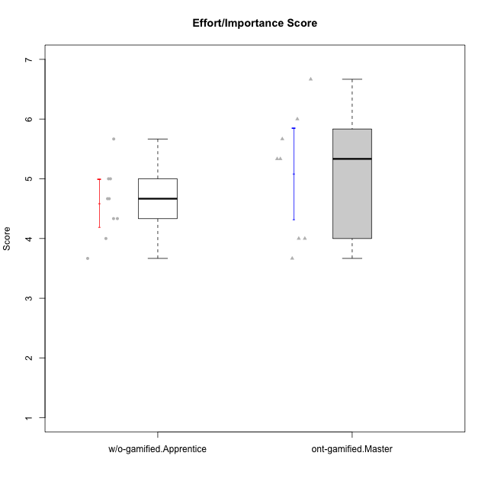

Student's t-Test data
UserID | Type | CLGroup | CLRole | PlayerRole | NroUSP | Item09IE | Item21IE | Item08IE | Item11IE | Item24IE | Item12IE | Item05PC | Item18PC | Item20PC | Item13PC | Item03PC | Item06PT | Item02PT | Item04PT | Item19EI | Item01EI | Item22EI | Item20A | Item25A | Item18A | Item07A | Item04A | Item01S | Item02S | Item09R | Item06R | Item12R | Interest/Enjoyment | Perceived Choice | Pressure/Tension | Effort/Importance | Attention | Relevance | Satisfaction | Intrinsic Motivation | Level of Motivation
10170 | w/o-gamified | Grupo11 | Apprentice |  | 10260351 | 4 | 4 | 6 | 4 | 4 | 3 | 2 | 1 | 3 | 2 | 3 | 1 | 1 | 1 | 3 | 3 | 5 | 6 | 5 | 6 | 5 | 4 | 4 | 4 | 2 | 1 | 6 | 4.1666666667 | 5.8 | 1 | 5 | 5.2 | 6.3333333333 | 4 | 5.2941176471 | 5.3
10171 | ont-gamified | Mafia | Master | Social Achiever | 698531 | 6 | 7 | 6 | 6 | 5 | 5 | 2 | 2 | 1 | 2 | 2 | 1 | 2 | 2 | 1 | 1 | 6 | 6 | 5 | 6 | 5 | 5 | 6 | 6 | 2 | 2 | 7 | 5.8333333333 | 6.2 | 1.6666666667 | 6.6666666667 | 5.4 | 6.3333333333 | 6 | 6.1764705882 | 5.8
10175 | ont-gamified | Warriors | Master | Social Achiever | 10310700 | 4 | 4 | 4 | 4 | 4 | 4 | 1 | 1 | 1 | 1 | 3 | 1 | 1 | 1 | 1 | 1 | 4 | 5 | 5 | 5 | 6 | 6 | 6 | 6 | 2 | 1 | 7 | 4 | 6.6 | 1 | 6 | 5.4 | 6.6666666667 | 6 | 5.6470588235 | 5.9
10176 | ont-gamified | Outlaws | Master | Social Achiever | 10276949 | 4 | 4 | 4 | 4 | 4 | 3 | 4 | 5 | 4 | 6 | 4 | 6 | 4 | 6 | 5 | 4 | 4 | 5 | 5 | 5 | 4 | 4 | 4 | 4 | 4 | 4 | 4 | 3.8333333333 | 3.4 | 5.3333333333 | 3.6666666667 | 4.6 | 4 | 4 | 3.4705882353 | 4.3
10183 | w/o-gamified | Grupo3 | Apprentice |  | 10352030 | 3 | 3 | 3 | 3 | 2 | 3 | 4 | 3 | 5 | 2 | 4 | 5 | 4 | 4 | 3 | 4 | 4 | 2 | 2 | 2 | 2 | 3 | 2 | 2 | 5 | 2 | 3 | 2.8333333333 | 4.4 | 4.3333333333 | 4.3333333333 | 2.2 | 4 | 2 | 3.7058823529 | 2.7
10184 | w/o-gamified | Grupo10 | Apprentice |  | 10276675 | 4 | 3 | 4 | 4 | 4 | 4 | 5 | 4 | 4 | 3 | 4 | 4 | 4 | 3 | 4 | 4 | 4 | 4 | 4 | 4 | 2 | 4 | 6 | 4 | 4 | 4 | 4 | 3.8333333333 | 4 | 3.6666666667 | 4 | 3.6 | 4 | 5 | 4 | 4
10185 | w/o-gamified | Grupo9 | Apprentice |  | 10276960 | 4 | 3 | 6 | 5 | 6 | 5 | 6 | 6 | 3 | 5 | 3 | 5 | 4 | 4 | 3 | 4 | 5 | 3 | 5 | 3 | 4 | 2 | 4 | 5 | 5 | 3 | 3 | 4.8333333333 | 3.4 | 4.3333333333 | 4.6666666667 | 3.4 | 3.6666666667 | 4.5 | 4.1764705882 | 3.7
10188 | ont-gamified | Vandals | Master | Yee Achiever | 10276995 | 3 | 3 | 4 | 1 | 3 | 4 | 1 | 1 | 1 | 3 | 3 | 1 | 1 | 1 | 3 | 2 | 1 | 3 | 4 | 4 | 2 | 4 | 3 | 3 | 2 | 2 | 4 | 3 | 6.2 | 1 | 4 | 3.4 | 5.3333333333 | 3 | 4.8235294118 | 3.9
10197 | w/o-gamified | Grupo8 | Apprentice |  | 10276661 | 3 | 2 | 5 | 5 | 2 | 4 | 3 | 2 | 4 | 4 | 2 | 5 | 3 | 3 | 3 | 3 | 4 | 4 | 4 | 7 | 5 | 4 | 4 | 4 | 5 | 4 | 4 | 3.5 | 5 | 3.6666666667 | 4.6666666667 | 4.8 | 3.6666666667 | 4 | 4.2941176471 | 4.3
10201 | w/o-gamified | Grupo11 | Apprentice |  | 10276928 | 5 | 6 | 6 | 5 | 3 | 6 | 3 | 4 | 4 | 3 | 5 | 4 | 3 | 2 | 3 | 3 | 5 | 6 | 5 | 6 | 6 | 4 | 6 | 5 | 4 | 2 | 6 | 5.1666666667 | 4.2 | 3 | 5 | 5.4 | 5.3333333333 | 5.5 | 4.8235294118 | 5.4
10206 | w/o-gamified | Grupo8 | Apprentice |  | 10310721 | 4 | 5 | 4 | 2 | 4 | 3 | 2 | 2 | 2 | 3 | 3 | 3 | 3 | 2 | 2 | 2 | 5 | 4 | 6 | 4 | 4 | 5 | 5 | 5 | 3 | 2 | 6 | 3.6666666667 | 5.6 | 2.6666666667 | 5.6666666667 | 4.6 | 5.6666666667 | 5 | 4.8823529412 | 5
10208 | ont-gamified | Mercenaries | Master | Social Achiever | 10276932 | 4 | 4 | 4 | 4 | 4 | 3 | 2 | 4 | 2 | 4 | 4 | 2 | 2 | 2 | 2 | 2 | 4 | 2 | 2 | 2 | 3 | 3 | 5 | 5 | 5 | 3 | 3 | 3.8333333333 | 4.8 | 2 | 5.3333333333 | 2.4 | 3.6666666667 | 5 | 4.7647058824 | 3.3
10216 | ont-gamified | Silly Knights | Master | Social Achiever | 10276720 | 5 | 4 | 4 | 3 | 5 | 7 | 2 | 1 | 3 | 2 | 3 | 1 | 1 | 1 | 2 | 1 | 4 | 5 | 6 | 4 | 2 | 4 | 5 | 5 | 2 | 1 | 7 | 4.6666666667 | 5.8 | 1 | 5.6666666667 | 4.2 | 6.6666666667 | 5 | 5.5882352941 | 5.1
10217 | w/o-gamified | Grupo9 | Apprentice |  | 9805341 | 5 | 5 | 5 | 3 | 4 | 4 | 5 | 4 | 2 | 4 | 4 | 1 | 1 | 1 | 4 | 3 | 2 | 4 | 4 | 3 | 4 | 5 | 4 | 4 | 3 | 3 | 6 | 4.3333333333 | 4.2 | 1 | 3.6666666667 | 4 | 5.3333333333 | 4 | 4.6470588235 | 4.4
10218 | w/o-gamified | Grupo10 | Apprentice |  | 9842913 | 4 | 4 | 4 | 4 | 4 | 4 | 5 | 5 | 4 | 4 | 4 | 4 | 4 | 5 | 4 | 4 | 5 | 4 | 4 | 3 | 5 | 3 | 4 | 3 | 3 | 4 | 4 | 4 | 3.6 | 4.3333333333 | 4.3333333333 | 3.8 | 4.3333333333 | 3.5 | 3.8823529412 | 3.9
10223 | ont-gamified | Slayers | Master | Social Achiever | 9795185 | 5 | 5 | 6 | 4 | 5 | 5 | 4 | 3 | 4 | 4 | 4 | 2 | 4 | 4 | 4 | 4 | 4 | 4 | 4 | 3 | 4 | 4 | 4 | 5 | 2 | 3 | 7 | 5 | 4.2 | 3.3333333333 | 4 | 3.8 | 6 | 4.5 | 4.5294117647 | 4.6
10230 | ont-gamified | Resistance | Master | Social Achiever | 10351992 | 4 | 5 | 5 | 4 | 5 | 4 | 4 | 3 | 5 | 3 | 5 | 6 | 5 | 4 | 2 | 3 | 5 | 2 | 4 | 3 | 6 | 6 | 4 | 6 | 3 | 4 | 4 | 4.5 | 4 | 5 | 5.3333333333 | 4.2 | 4.3333333333 | 5 | 4.2352941176 | 4.4

Type_CLRole_5
Student's t-Test for Effort/Importance Score in Type:CLRole between ont-gamified.Master:w/o-gamified.Master

Student's t-Test results
Alternative hypothesis: less
Group | N | Mean | Mean.Difference | Std.deviation | Std.error | CI.lower | CI.upper | df | t.value | p.value | g | magnitude
ont-gamified.Master | 8 | 5.0833333333 | 0.5 | 1.0801234497 | 0.38188130791 | 4.3195707175 | 5.8470959492 | 5.9860036051 | 0.74612400506 | 0.7580736361 | 0.42478060921 | small
w/o-gamified.Master | 4 | 4.5833333333 | -0.5 | 1.1013459779 | 0.55067298893 | 3.4819873555 | 5.6846793112 | 5.9860036051 | 0.74612400506 | 0.7580736361 | 0.42478060921 | small
Alternative hypothesis: greater
Group | N | Mean | Mean.Difference | Std.deviation | Std.error | CI.lower | CI.upper | df | t.value | p.value | g | magnitude
ont-gamified.Master | 8 | 5.0833333333 | 0.5 | 1.0801234497 | 0.38188130791 | 4.3195707175 | 5.8470959492 | 5.9860036051 | 0.74612400506 | 0.2419263639 | 0.42478060921 | small
w/o-gamified.Master | 4 | 4.5833333333 | -0.5 | 1.1013459779 | 0.55067298893 | 3.4819873555 | 5.6846793112 | 5.9860036051 | 0.74612400506 | 0.2419263639 | 0.42478060921 | small
Alternative hypothesis: two.sided
Group | N | Mean | Mean.Difference | Std.deviation | Std.error | CI.lower | CI.upper | df | t.value | p.value | g | magnitude
ont-gamified.Master | 8 | 5.0833333333 | 0.5 | 1.0801234497 | 0.38188130791 | 4.3195707175 | 5.8470959492 | 5.9860036051 | 0.74612400506 | 0.4838527278 | 0.42478060921 | small
w/o-gamified.Master | 4 | 4.5833333333 | -0.5 | 1.1013459779 | 0.55067298893 | 3.4819873555 | 5.6846793112 | 5.9860036051 | 0.74612400506 | 0.4838527278 | 0.42478060921 | small

Box plots for Student's t-Test


Student's t-Test data
UserID | Type | CLGroup | CLRole | PlayerRole | NroUSP | Item09IE | Item21IE | Item08IE | Item11IE | Item24IE | Item12IE | Item05PC | Item18PC | Item20PC | Item13PC | Item03PC | Item06PT | Item02PT | Item04PT | Item19EI | Item01EI | Item22EI | Item20A | Item25A | Item18A | Item07A | Item04A | Item01S | Item02S | Item09R | Item06R | Item12R | Interest/Enjoyment | Perceived Choice | Pressure/Tension | Effort/Importance | Attention | Relevance | Satisfaction | Intrinsic Motivation | Level of Motivation
10171 | ont-gamified | Mafia | Master | Social Achiever | 698531 | 6 | 7 | 6 | 6 | 5 | 5 | 2 | 2 | 1 | 2 | 2 | 1 | 2 | 2 | 1 | 1 | 6 | 6 | 5 | 6 | 5 | 5 | 6 | 6 | 2 | 2 | 7 | 5.8333333333 | 6.2 | 1.6666666667 | 6.6666666667 | 5.4 | 6.3333333333 | 6 | 6.1764705882 | 5.8
10174 | w/o-gamified | Grupo7 | Master |  | 10276852 | 4 | 4 | 6 | 4 | 6 | 3 | 4 | 3 | 4 | 4 | 4 | 6 | 4 | 5 | 2 | 5 | 4 | 4 | 4 | 5 | 6 | 5 | 6 | 5 | 6 | 5 | 4 | 4.5 | 4.2 | 5 | 4.3333333333 | 4.8 | 3 | 5.5 | 4.1176470588 | 4.4
10175 | ont-gamified | Warriors | Master | Social Achiever | 10310700 | 4 | 4 | 4 | 4 | 4 | 4 | 1 | 1 | 1 | 1 | 3 | 1 | 1 | 1 | 1 | 1 | 4 | 5 | 5 | 5 | 6 | 6 | 6 | 6 | 2 | 1 | 7 | 4 | 6.6 | 1 | 6 | 5.4 | 6.6666666667 | 6 | 5.6470588235 | 5.9
10176 | ont-gamified | Outlaws | Master | Social Achiever | 10276949 | 4 | 4 | 4 | 4 | 4 | 3 | 4 | 5 | 4 | 6 | 4 | 6 | 4 | 6 | 5 | 4 | 4 | 5 | 5 | 5 | 4 | 4 | 4 | 4 | 4 | 4 | 4 | 3.8333333333 | 3.4 | 5.3333333333 | 3.6666666667 | 4.6 | 4 | 4 | 3.4705882353 | 4.3
10179 | w/o-gamified | Grupo10 | Master |  | 10310759 | 3 | 4 | 3 | 2 | 4 | 6 | 6 | 5 | 4 | 5 | 7 | 2 | 1 | 1 | 1 | 2 | 5 | 4 | 4 | 4 | 2 | 5 | 3 | 4 | 4 | 2 | 4 | 3.6666666667 | 2.6 | 1.3333333333 | 6 | 3.8 | 4.6666666667 | 3.5 | 4.2941176471 | 4
10188 | ont-gamified | Vandals | Master | Yee Achiever | 10276995 | 3 | 3 | 4 | 1 | 3 | 4 | 1 | 1 | 1 | 3 | 3 | 1 | 1 | 1 | 3 | 2 | 1 | 3 | 4 | 4 | 2 | 4 | 3 | 3 | 2 | 2 | 4 | 3 | 6.2 | 1 | 4 | 3.4 | 5.3333333333 | 3 | 4.8235294118 | 3.9
10191 | w/o-gamified | Grupo1 | Master |  | 10276981 | 3 | 2 | 3 | 3 | 2 | 1 | 5 | 4 | 5 | 5 | 5 | 1 | 1 | 1 | 4 | 2 | 4 | 2 | 4 | 2 | 4 | 4 | 4 | 4 | 3 | 2 | 3 | 2.3333333333 | 3.2 | 1 | 4.6666666667 | 3.2 | 4.6666666667 | 4 | 3.8235294118 | 3.8
10208 | ont-gamified | Mercenaries | Master | Social Achiever | 10276932 | 4 | 4 | 4 | 4 | 4 | 3 | 2 | 4 | 2 | 4 | 4 | 2 | 2 | 2 | 2 | 2 | 4 | 2 | 2 | 2 | 3 | 3 | 5 | 5 | 5 | 3 | 3 | 3.8333333333 | 4.8 | 2 | 5.3333333333 | 2.4 | 3.6666666667 | 5 | 4.7647058824 | 3.3
10216 | ont-gamified | Silly Knights | Master | Social Achiever | 10276720 | 5 | 4 | 4 | 3 | 5 | 7 | 2 | 1 | 3 | 2 | 3 | 1 | 1 | 1 | 2 | 1 | 4 | 5 | 6 | 4 | 2 | 4 | 5 | 5 | 2 | 1 | 7 | 4.6666666667 | 5.8 | 1 | 5.6666666667 | 4.2 | 6.6666666667 | 5 | 5.5882352941 | 5.1
10223 | ont-gamified | Slayers | Master | Social Achiever | 9795185 | 5 | 5 | 6 | 4 | 5 | 5 | 4 | 3 | 4 | 4 | 4 | 2 | 4 | 4 | 4 | 4 | 4 | 4 | 4 | 3 | 4 | 4 | 4 | 5 | 2 | 3 | 7 | 5 | 4.2 | 3.3333333333 | 4 | 3.8 | 6 | 4.5 | 4.5294117647 | 4.6
10230 | ont-gamified | Resistance | Master | Social Achiever | 10351992 | 4 | 5 | 5 | 4 | 5 | 4 | 4 | 3 | 5 | 3 | 5 | 6 | 5 | 4 | 2 | 3 | 5 | 2 | 4 | 3 | 6 | 6 | 4 | 6 | 3 | 4 | 4 | 4.5 | 4 | 5 | 5.3333333333 | 4.2 | 4.3333333333 | 5 | 4.2352941176 | 4.4
10231 | w/o-gamified | Grupo9 | Master |  | 10276911 | 4 | 4 | 4 | 4 | 5 | 6 | 1 | 2 | 2 | 2 | 1 | 1 | 1 | 1 | 4 | 3 | 1 | 4 | 4 | 4 | 4 | 4 | 7 | 5 | 4 | 4 | 5 | 4.5 | 6.4 | 1 | 3.3333333333 | 4 | 4.3333333333 | 6 | 5.2941176471 | 4.5

Type_CLRole_6
Student's t-Test for Effort/Importance Score in Type:CLRole between w/o-gamified.Apprentice:w/o-gamified.Master

Student's t-Test results
Alternative hypothesis: less
Group | N | Mean | Mean.Difference | Std.deviation | Std.error | CI.lower | CI.upper | df | t.value | p.value | g | magnitude
w/o-gamified.Apprentice | 9 | 4.5925925926 | 0.0092592592593 | 0.59576696082 | 0.19858898694 | 4.1954146187 | 4.9897705665 | 3.8069179304 | 0.015817320909 | 0.50591296234 | 0.011223554212 | negligible
w/o-gamified.Master | 4 | 4.5833333333 | -0.0092592592593 | 1.1013459779 | 0.55067298893 | 3.4819873555 | 5.6846793112 | 3.8069179304 | 0.015817320909 | 0.50591296234 | 0.011223554212 | negligible
Alternative hypothesis: greater
Group | N | Mean | Mean.Difference | Std.deviation | Std.error | CI.lower | CI.upper | df | t.value | p.value | g | magnitude
w/o-gamified.Apprentice | 9 | 4.5925925926 | 0.0092592592593 | 0.59576696082 | 0.19858898694 | 4.1954146187 | 4.9897705665 | 3.8069179304 | 0.015817320909 | 0.49408703766 | 0.011223554212 | negligible
w/o-gamified.Master | 4 | 4.5833333333 | -0.0092592592593 | 1.1013459779 | 0.55067298893 | 3.4819873555 | 5.6846793112 | 3.8069179304 | 0.015817320909 | 0.49408703766 | 0.011223554212 | negligible
Alternative hypothesis: two.sided
Group | N | Mean | Mean.Difference | Std.deviation | Std.error | CI.lower | CI.upper | df | t.value | p.value | g | magnitude
w/o-gamified.Apprentice | 9 | 4.5925925926 | 0.0092592592593 | 0.59576696082 | 0.19858898694 | 4.1954146187 | 4.9897705665 | 3.8069179304 | 0.015817320909 | 0.98817407532 | 0.011223554212 | negligible
w/o-gamified.Master | 4 | 4.5833333333 | -0.0092592592593 | 1.1013459779 | 0.55067298893 | 3.4819873555 | 5.6846793112 | 3.8069179304 | 0.015817320909 | 0.98817407532 | 0.011223554212 | negligible

Box plots for Student's t-Test
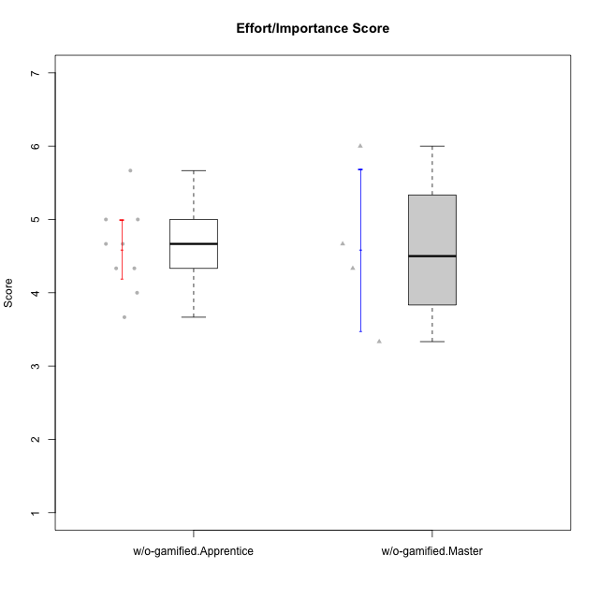

Student's t-Test data
UserID | Type | CLGroup | CLRole | PlayerRole | NroUSP | Item09IE | Item21IE | Item08IE | Item11IE | Item24IE | Item12IE | Item05PC | Item18PC | Item20PC | Item13PC | Item03PC | Item06PT | Item02PT | Item04PT | Item19EI | Item01EI | Item22EI | Item20A | Item25A | Item18A | Item07A | Item04A | Item01S | Item02S | Item09R | Item06R | Item12R | Interest/Enjoyment | Perceived Choice | Pressure/Tension | Effort/Importance | Attention | Relevance | Satisfaction | Intrinsic Motivation | Level of Motivation
10170 | w/o-gamified | Grupo11 | Apprentice |  | 10260351 | 4 | 4 | 6 | 4 | 4 | 3 | 2 | 1 | 3 | 2 | 3 | 1 | 1 | 1 | 3 | 3 | 5 | 6 | 5 | 6 | 5 | 4 | 4 | 4 | 2 | 1 | 6 | 4.1666666667 | 5.8 | 1 | 5 | 5.2 | 6.3333333333 | 4 | 5.2941176471 | 5.3
10174 | w/o-gamified | Grupo7 | Master |  | 10276852 | 4 | 4 | 6 | 4 | 6 | 3 | 4 | 3 | 4 | 4 | 4 | 6 | 4 | 5 | 2 | 5 | 4 | 4 | 4 | 5 | 6 | 5 | 6 | 5 | 6 | 5 | 4 | 4.5 | 4.2 | 5 | 4.3333333333 | 4.8 | 3 | 5.5 | 4.1176470588 | 4.4
10179 | w/o-gamified | Grupo10 | Master |  | 10310759 | 3 | 4 | 3 | 2 | 4 | 6 | 6 | 5 | 4 | 5 | 7 | 2 | 1 | 1 | 1 | 2 | 5 | 4 | 4 | 4 | 2 | 5 | 3 | 4 | 4 | 2 | 4 | 3.6666666667 | 2.6 | 1.3333333333 | 6 | 3.8 | 4.6666666667 | 3.5 | 4.2941176471 | 4
10183 | w/o-gamified | Grupo3 | Apprentice |  | 10352030 | 3 | 3 | 3 | 3 | 2 | 3 | 4 | 3 | 5 | 2 | 4 | 5 | 4 | 4 | 3 | 4 | 4 | 2 | 2 | 2 | 2 | 3 | 2 | 2 | 5 | 2 | 3 | 2.8333333333 | 4.4 | 4.3333333333 | 4.3333333333 | 2.2 | 4 | 2 | 3.7058823529 | 2.7
10184 | w/o-gamified | Grupo10 | Apprentice |  | 10276675 | 4 | 3 | 4 | 4 | 4 | 4 | 5 | 4 | 4 | 3 | 4 | 4 | 4 | 3 | 4 | 4 | 4 | 4 | 4 | 4 | 2 | 4 | 6 | 4 | 4 | 4 | 4 | 3.8333333333 | 4 | 3.6666666667 | 4 | 3.6 | 4 | 5 | 4 | 4
10185 | w/o-gamified | Grupo9 | Apprentice |  | 10276960 | 4 | 3 | 6 | 5 | 6 | 5 | 6 | 6 | 3 | 5 | 3 | 5 | 4 | 4 | 3 | 4 | 5 | 3 | 5 | 3 | 4 | 2 | 4 | 5 | 5 | 3 | 3 | 4.8333333333 | 3.4 | 4.3333333333 | 4.6666666667 | 3.4 | 3.6666666667 | 4.5 | 4.1764705882 | 3.7
10191 | w/o-gamified | Grupo1 | Master |  | 10276981 | 3 | 2 | 3 | 3 | 2 | 1 | 5 | 4 | 5 | 5 | 5 | 1 | 1 | 1 | 4 | 2 | 4 | 2 | 4 | 2 | 4 | 4 | 4 | 4 | 3 | 2 | 3 | 2.3333333333 | 3.2 | 1 | 4.6666666667 | 3.2 | 4.6666666667 | 4 | 3.8235294118 | 3.8
10197 | w/o-gamified | Grupo8 | Apprentice |  | 10276661 | 3 | 2 | 5 | 5 | 2 | 4 | 3 | 2 | 4 | 4 | 2 | 5 | 3 | 3 | 3 | 3 | 4 | 4 | 4 | 7 | 5 | 4 | 4 | 4 | 5 | 4 | 4 | 3.5 | 5 | 3.6666666667 | 4.6666666667 | 4.8 | 3.6666666667 | 4 | 4.2941176471 | 4.3
10201 | w/o-gamified | Grupo11 | Apprentice |  | 10276928 | 5 | 6 | 6 | 5 | 3 | 6 | 3 | 4 | 4 | 3 | 5 | 4 | 3 | 2 | 3 | 3 | 5 | 6 | 5 | 6 | 6 | 4 | 6 | 5 | 4 | 2 | 6 | 5.1666666667 | 4.2 | 3 | 5 | 5.4 | 5.3333333333 | 5.5 | 4.8235294118 | 5.4
10206 | w/o-gamified | Grupo8 | Apprentice |  | 10310721 | 4 | 5 | 4 | 2 | 4 | 3 | 2 | 2 | 2 | 3 | 3 | 3 | 3 | 2 | 2 | 2 | 5 | 4 | 6 | 4 | 4 | 5 | 5 | 5 | 3 | 2 | 6 | 3.6666666667 | 5.6 | 2.6666666667 | 5.6666666667 | 4.6 | 5.6666666667 | 5 | 4.8823529412 | 5
10217 | w/o-gamified | Grupo9 | Apprentice |  | 9805341 | 5 | 5 | 5 | 3 | 4 | 4 | 5 | 4 | 2 | 4 | 4 | 1 | 1 | 1 | 4 | 3 | 2 | 4 | 4 | 3 | 4 | 5 | 4 | 4 | 3 | 3 | 6 | 4.3333333333 | 4.2 | 1 | 3.6666666667 | 4 | 5.3333333333 | 4 | 4.6470588235 | 4.4
10218 | w/o-gamified | Grupo10 | Apprentice |  | 9842913 | 4 | 4 | 4 | 4 | 4 | 4 | 5 | 5 | 4 | 4 | 4 | 4 | 4 | 5 | 4 | 4 | 5 | 4 | 4 | 3 | 5 | 3 | 4 | 3 | 3 | 4 | 4 | 4 | 3.6 | 4.3333333333 | 4.3333333333 | 3.8 | 4.3333333333 | 3.5 | 3.8823529412 | 3.9
10231 | w/o-gamified | Grupo9 | Master |  | 10276911 | 4 | 4 | 4 | 4 | 5 | 6 | 1 | 2 | 2 | 2 | 1 | 1 | 1 | 1 | 4 | 3 | 1 | 4 | 4 | 4 | 4 | 4 | 7 | 5 | 4 | 4 | 5 | 4.5 | 6.4 | 1 | 3.3333333333 | 4 | 4.3333333333 | 6 | 5.2941176471 | 4.5

